Sheet
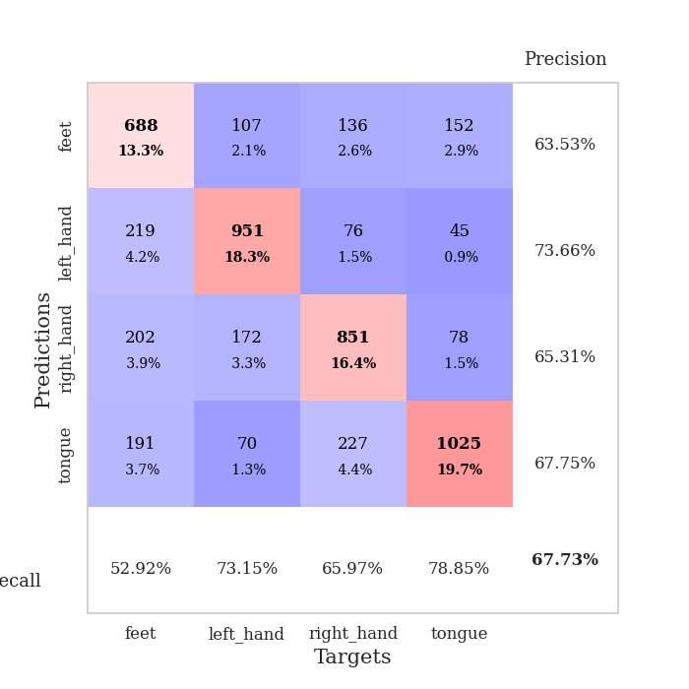

best_val_acc | best_val_los | best_test_acc
0.68786127168 | 0.82900256803 | 0.56825856247
0.65895953757 | 0.90047185775 | 0.57163531114
0.68400770713 | 0.85321432524 | 0.55909310178
0.68015414258 | 0.88708285284 | 0.49589966233
0.64354527938 | 0.97528457504 | 0.53063193439
0.66088631985 | 0.89441489967 | 0.54172696575
0.72832369942 | 0.76322949025 | 0.53593825374
0.65317919075 | 0.88203306671 | 0.53111432706
0.68978805395 | 0.85018037693 | 0.55619874578
0.6859344894 | 0.89322857475 | 0.53738543174

Mean,std Val accuracy is 0.6772639691714836 , 0.024325493724348907 and mean, std test accuracy is 0.5427882296189098 , 0.022326901314713373

Sheet1
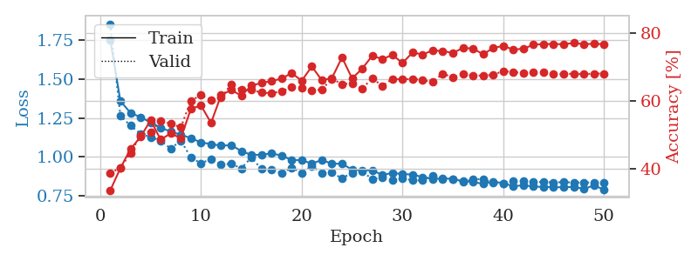

train_loss | valid_loss | train_accuracy | valid_accuracy | dur | train_misclass | valid_misclass
1.7520593133 | 1.8550951991 | 0.33757716049 | 0.38921001927 | 2.1566147804 | 33.757716049 | 38.921001927
1.3604340575 | 1.264640654 | 0.40277777778 | 0.40269749518 | 0.56618499756 | 40.277777778 | 40.269749518
1.2841052049 | 1.2018161038 | 0.45833333333 | 0.44701348748 | 0.55936312675 | 45.833333333 | 44.701348748
1.2560085522 | 1.1496746912 | 0.49421296296 | 0.49903660886 | 0.56123018265 | 49.421296296 | 49.903660886
1.2224200968 | 1.1279719899 | 0.54320987654 | 0.50867052023 | 0.56364822388 | 54.320987654 | 50.867052023
1.1889927939 | 1.1052954106 | 0.48649691358 | 0.54142581888 | 0.55961585045 | 48.649691358 | 54.142581888
1.1628294293 | 1.0539291153 | 0.50462962963 | 0.53371868979 | 0.56283831596 | 50.462962963 | 53.371868979
1.1434377042 | 1.105975078 | 0.49035493827 | 0.52215799615 | 0.56266355515 | 49.035493827 | 52.215799615
1.1213648555 | 0.99673485825 | 0.57677469136 | 0.60115606936 | 0.561024189 | 57.677469136 | 60.115606936
1.0936624871 | 0.95932345664 | 0.58641975309 | 0.61657032755 | 0.55862998962 | 58.641975309 | 61.657032755
1.0835817011 | 0.98800032137 | 0.53549382716 | 0.60308285164 | 0.55819344521 | 53.549382716 | 60.308285164
1.0725855143 | 0.95287612454 | 0.61651234568 | 0.60886319846 | 0.55963802338 | 61.651234568 | 60.886319846
1.0765600679 | 0.95648576678 | 0.63233024691 | 0.6493256262 | 0.55511951447 | 63.233024691 | 64.93256262
1.0383616925 | 0.92701544077 | 0.61535493827 | 0.63198458574 | 0.56234431267 | 61.535493827 | 63.198458574
1.014021291 | 0.9967853528 | 0.64467592593 | 0.63198458574 | 0.55682277679 | 64.467592593 | 63.198458574
1.0143290817 | 0.92372133415 | 0.65277777778 | 0.62427745665 | 0.56367826462 | 65.277777778 | 62.427745665
1.0233215241 | 0.91954501125 | 0.65817901235 | 0.62235067437 | 0.55914092064 | 65.817901235 | 62.235067437
1.009489386 | 0.89685389509 | 0.66512345679 | 0.62813102119 | 0.55725455284 | 66.512345679 | 62.813102119
0.98078484815 | 0.93112923828 | 0.68171296296 | 0.63969171484 | 0.55615735054 | 68.171296296 | 63.969171484
0.97968396912 | 0.89772016212 | 0.65895061728 | 0.63776493256 | 0.55591058731 | 65.895061728 | 63.776493256
0.95813915097 | 0.94216477503 | 0.70100308642 | 0.63005780347 | 0.55582976341 | 70.100308642 | 63.005780347
0.98094566884 | 0.89603069695 | 0.66049382716 | 0.63391136802 | 0.55576848984 | 66.049382716 | 63.391136802
0.95722057827 | 0.89957262326 | 0.66705246914 | 0.66473988439 | 0.55795454979 | 66.705246914 | 66.473988439
0.95681396531 | 0.86258944657 | 0.72762345679 | 0.6493256262 | 0.55964589119 | 72.762345679 | 64.93256262
0.91896918011 | 0.89901370189 | 0.66589506173 | 0.65125240848 | 0.55680036545 | 66.589506173 | 65.125240848
0.91564130746 | 0.90905591197 | 0.69444444444 | 0.63583815029 | 0.55632376671 | 69.444444444 | 63.583815029
0.91425502006 | 0.85714555545 | 0.73225308642 | 0.66666666667 | 0.5639436245 | 73.225308642 | 66.666666667
0.88553773989 | 0.87038666871 | 0.72260802469 | 0.64354527938 | 0.56597137451 | 72.260802469 | 64.354527938
0.89754198749 | 0.84984177408 | 0.7349537037 | 0.66473988439 | 0.5554459095 | 73.49537037 | 66.473988439
0.89029237352 | 0.86358004315 | 0.71103395062 | 0.66281310212 | 0.55649924278 | 71.103395062 | 66.281310212
0.88796454006 | 0.85061893941 | 0.74189814815 | 0.66473988439 | 0.5577454567 | 74.189814815 | 66.473988439
0.87072597205 | 0.84974703692 | 0.73611111111 | 0.66088631985 | 0.55511426926 | 73.611111111 | 66.088631985
0.85864325677 | 0.88191064635 | 0.74807098765 | 0.65510597303 | 0.55506062508 | 74.807098765 | 65.510597303
0.86282253946 | 0.85698945123 | 0.74614197531 | 0.68015414258 | 0.55482721329 | 74.614197531 | 68.015414258
0.85996646223 | 0.85904671576 | 0.74074074074 | 0.66859344894 | 0.55942440033 | 74.074074074 | 66.859344894
0.84425546174 | 0.839248411 | 0.7550154321 | 0.68015414258 | 0.55752801895 | 75.50154321 | 68.015414258
0.84075409836 | 0.85687076379 | 0.75385802469 | 0.67437379576 | 0.55993127823 | 75.385802469 | 67.437379576
0.82699100728 | 0.85814500912 | 0.73649691358 | 0.67437379576 | 0.55860161781 | 73.649691358 | 67.437379576
0.84298959448 | 0.8345700089 | 0.7550154321 | 0.67630057803 | 0.55629324913 | 75.50154321 | 67.630057803
0.8319632709 | 0.82900256803 | 0.76157407407 | 0.68786127168 | 0.56386470795 | 76.157407407 | 68.786127168
0.81205677563 | 0.84676289811 | 0.75038580247 | 0.68400770713 | 0.55927586555 | 75.038580247 | 68.400770713
0.81881190358 | 0.84600232585 | 0.75308641975 | 0.68208092486 | 0.55808448792 | 75.308641975 | 68.208092486
0.81050409726 | 0.84089769816 | 0.76466049383 | 0.68400770713 | 0.55716753006 | 76.466049383 | 68.400770713
0.80768495301 | 0.83948352617 | 0.76697530864 | 0.68400770713 | 0.55770540237 | 76.697530864 | 68.400770713
0.80709541653 | 0.8377183995 | 0.76658950617 | 0.67822736031 | 0.55965614319 | 76.658950617 | 67.822736031
0.80531223983 | 0.83797165034 | 0.76658950617 | 0.67822736031 | 0.55997133255 | 76.658950617 | 67.822736031
0.80882737813 | 0.83692879599 | 0.76967592593 | 0.68015414258 | 0.55748152733 | 76.967592593 | 68.015414258
0.79568949563 | 0.83625775128 | 0.76658950617 | 0.67822736031 | 0.56911730766 | 76.658950617 | 67.822736031
0.81648900995 | 0.83617445109 | 0.76736111111 | 0.68015414258 | 0.55695605278 | 76.736111111 | 68.015414258
0.79175703835 | 0.83569989544 | 0.76658950617 | 0.68015414258 | 0.55654788017 | 76.658950617 | 68.015414258

Best Val accuracy is 0.6878612716763006 and Best test accuracy is 0.5682585624698504

Sheet2
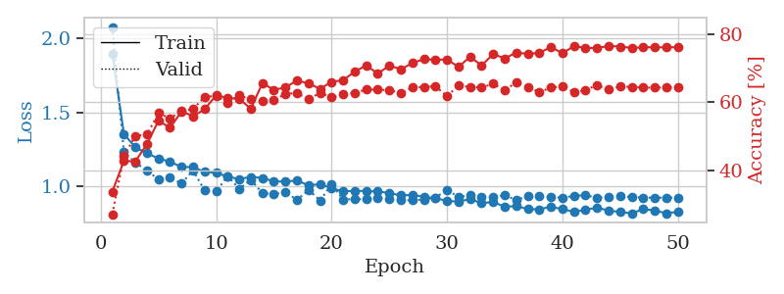
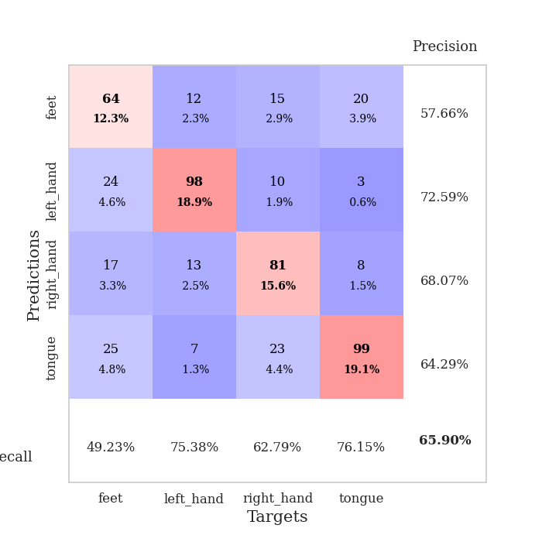
train_loss | valid_loss | train_accuracy | valid_accuracy | dur | train_misclass | valid_misclass
1.8996729372 | 2.0796550574 | 0.33641975309 | 0.2697495183 | 0.55912494659 | 33.641975309 | 26.97495183
1.3535317848 | 1.2316550558 | 0.42669753086 | 0.44123314066 | 0.55516886711 | 42.669753086 | 44.123314066
1.2614641296 | 1.1574778618 | 0.4263117284 | 0.50096339114 | 0.55653429031 | 42.63117284 | 50.096339114
1.2220209035 | 1.1063731518 | 0.47685185185 | 0.50481695568 | 0.55589556694 | 47.685185185 | 50.481695568
1.1857814307 | 1.0419678283 | 0.54591049383 | 0.56840077071 | 0.55595159531 | 54.591049383 | 56.840077071
1.1644325757 | 1.05470404 | 0.52507716049 | 0.55298651252 | 0.55647706985 | 52.507716049 | 55.298651252
1.1276110801 | 1.0168002281 | 0.57330246914 | 0.57418111753 | 0.55551099777 | 57.330246914 | 57.418111753
1.1276026677 | 1.1047484855 | 0.55902777778 | 0.57996146435 | 0.55736327171 | 55.902777778 | 57.996146435
1.0943906962 | 0.96919020074 | 0.57986111111 | 0.61657032755 | 0.56374883652 | 57.986111111 | 61.657032755
1.0889985484 | 0.96180160921 | 0.62114197531 | 0.61849710983 | 0.55893754959 | 62.114197531 | 61.849710983
1.0618903129 | 1.0672040954 | 0.61265432099 | 0.59922928709 | 0.56123828888 | 61.265432099 | 59.922928709
1.0463701832 | 0.98008552934 | 0.61072530864 | 0.6204238921 | 0.55630970001 | 61.072530864 | 62.04238921
1.0609556065 | 1.0407184274 | 0.58101851852 | 0.60886319846 | 0.55666255951 | 58.101851852 | 60.886319846
1.0538711029 | 0.95162084291 | 0.65625 | 0.60500963391 | 0.5614490509 | 65.625 | 60.500963391
1.0301968886 | 0.9437652228 | 0.63734567901 | 0.60693641618 | 0.55786132812 | 63.734567901 | 60.693641618
1.029374066 | 0.95817651386 | 0.64390432099 | 0.62427745665 | 0.55816340446 | 64.390432099 | 62.427745665
1.0361013214 | 0.90409909025 | 0.66473765432 | 0.62813102119 | 0.55721759796 | 66.473765432 | 62.813102119
1.0034394857 | 0.97330206828 | 0.65586419753 | 0.60886319846 | 0.55763101578 | 65.586419753 | 60.886319846
1.0116922307 | 0.90047185775 | 0.6400462963 | 0.62813102119 | 0.55607414246 | 64.00462963 | 62.813102119
0.98357375095 | 1.0103507011 | 0.66049382716 | 0.61464354528 | 0.55627465248 | 66.049382716 | 61.464354528
0.96220117403 | 0.90758847226 | 0.66550925926 | 0.62427745665 | 0.55704307556 | 66.550925926 | 62.427745665
0.96667202829 | 0.91029680464 | 0.69058641975 | 0.62813102119 | 0.55836319923 | 69.058641975 | 62.813102119
0.964412531 | 0.90927960567 | 0.70910493827 | 0.63776493256 | 0.55814623833 | 70.910493827 | 63.776493256
0.96201213642 | 0.91939430591 | 0.68479938272 | 0.63776493256 | 0.56662487984 | 68.479938272 | 63.776493256
0.9514010957 | 0.90901175928 | 0.70833333333 | 0.63583815029 | 0.55942392349 | 70.833333333 | 63.583815029
0.93479095749 | 0.90465102099 | 0.69791666667 | 0.62813102119 | 0.55719995499 | 69.791666667 | 62.813102119
0.93862878724 | 0.90135438066 | 0.71566358025 | 0.64354527938 | 0.55719470978 | 71.566358025 | 64.354527938
0.92573031415 | 0.9071954591 | 0.72800925926 | 0.64547206166 | 0.56138300896 | 72.800925926 | 64.547206166
0.91586700873 | 0.92058429357 | 0.72530864198 | 0.64739884393 | 0.55731773376 | 72.530864198 | 64.739884393
0.89804253258 | 0.97194484893 | 0.72685185185 | 0.61849710983 | 0.56026911736 | 72.685185185 | 61.849710983
0.89290651716 | 0.92505696847 | 0.70447530864 | 0.6493256262 | 0.56051087379 | 70.447530864 | 64.93256262
0.91047152104 | 0.9353692086 | 0.73456790123 | 0.64547206166 | 0.56266403198 | 73.456790123 | 64.547206166
0.88223041061 | 0.92193920121 | 0.7087191358 | 0.64354527938 | 0.55749201775 | 70.87191358 | 64.354527938
0.8912455997 | 0.92198861139 | 0.74266975309 | 0.65510597303 | 0.55756402016 | 74.266975309 | 65.510597303
0.85706767256 | 0.93719054428 | 0.72955246914 | 0.63583815029 | 0.55844306946 | 72.955246914 | 63.583815029
0.86326462472 | 0.90270796906 | 0.74691358025 | 0.65895953757 | 0.55696988106 | 74.691358025 | 65.895953757
0.84220204824 | 0.93187667111 | 0.74305555556 | 0.64547206166 | 0.56038045883 | 74.305555556 | 64.547206166
0.84066192548 | 0.93346204245 | 0.74575617284 | 0.63005780347 | 0.55981135368 | 74.575617284 | 63.005780347
0.85856188355 | 0.92256805387 | 0.76350308642 | 0.64354527938 | 0.55913567543 | 76.350308642 | 64.354527938
0.84135744509 | 0.92053482781 | 0.7449845679 | 0.64739884393 | 0.55785226822 | 74.49845679 | 64.739884393
0.82448950226 | 0.93074245467 | 0.76581790123 | 0.63005780347 | 0.55817461014 | 76.581790123 | 63.005780347
0.83789918857 | 0.93780271327 | 0.76080246914 | 0.63583815029 | 0.55710482597 | 76.080246914 | 63.583815029
0.85224657147 | 0.91747948969 | 0.7600308642 | 0.65125240848 | 0.55904197693 | 76.00308642 | 65.125240848
0.83227847259 | 0.92740869488 | 0.76658950617 | 0.63776493256 | 0.55894351006 | 76.658950617 | 63.776493256
0.82295159021 | 0.93049354108 | 0.76466049383 | 0.64739884393 | 0.56350421906 | 76.466049383 | 64.739884393
0.81301931963 | 0.92383572557 | 0.76080246914 | 0.64547206166 | 0.55825257301 | 76.080246914 | 64.547206166
0.84183387826 | 0.9203623214 | 0.76234567901 | 0.64354527938 | 0.55654025078 | 76.234567901 | 64.354527938
0.83344828567 | 0.91977299741 | 0.76273148148 | 0.64354527938 | 0.55526542664 | 76.273148148 | 64.354527938
0.81348769955 | 0.91999050487 | 0.76195987654 | 0.64354527938 | 0.55727410316 | 76.195987654 | 64.354527938
0.82435890002 | 0.92018858718 | 0.76311728395 | 0.64354527938 | 0.55867671967 | 76.311728395 | 64.354527938

Best Val accuracy is 0.6589595375722543 and Best test accuracy is 0.5716353111432706

Sheet3
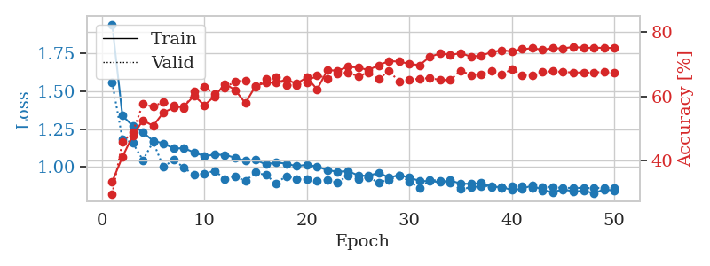
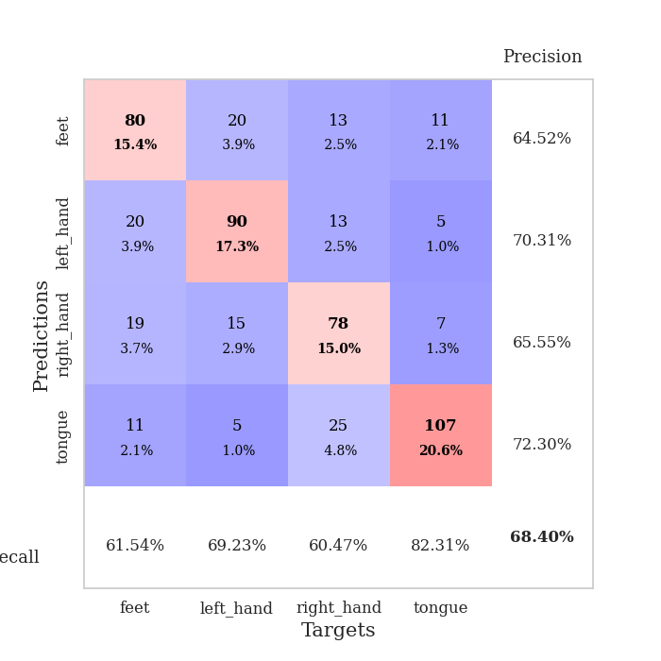
train_loss | valid_loss | train_accuracy | valid_accuracy | dur | train_misclass | valid_misclass
1.9400270044 | 1.5584594496 | 0.33526234568 | 0.29672447013 | 0.55874848366 | 33.526234568 | 29.672447013
1.3383492353 | 1.1854155427 | 0.41242283951 | 0.45857418112 | 0.55893707275 | 41.242283951 | 45.857418112
1.2719840985 | 1.1592840611 | 0.47800925926 | 0.4894026975 | 0.5587143898 | 47.800925926 | 48.94026975
1.2303401706 | 1.0458713965 | 0.52584876543 | 0.57610789981 | 0.55547499657 | 52.584876543 | 57.610789981
1.1718707342 | 1.1660328225 | 0.50887345679 | 0.56840077071 | 0.55608296394 | 50.887345679 | 56.840077071
1.1567692793 | 0.99934252563 | 0.55015432099 | 0.5838150289 | 0.55845046043 | 55.015432099 | 58.38150289
1.1223495908 | 1.0487018029 | 0.56520061728 | 0.57225433526 | 0.55579423904 | 56.520061728 | 57.225433526
1.1244291946 | 0.99542414775 | 0.56905864198 | 0.56454720617 | 0.55576515198 | 56.905864198 | 56.454720617
1.0963900119 | 0.94737896915 | 0.60223765432 | 0.61464354528 | 0.5559155941 | 60.223765432 | 61.464354528
1.0718796577 | 0.95758886363 | 0.57291666667 | 0.63005780347 | 0.55996870995 | 57.291666667 | 63.005780347
1.0814552826 | 0.97474782246 | 0.60069444444 | 0.60886319846 | 0.55925416946 | 60.069444444 | 60.886319846
1.0800410932 | 0.92251696293 | 0.63927469136 | 0.62620423892 | 0.55774760246 | 63.927469136 | 62.620423892
1.0610894421 | 0.93868867487 | 0.6199845679 | 0.64739884393 | 0.56094813347 | 61.99845679 | 64.739884393
1.040211307 | 0.90759196814 | 0.57908950617 | 0.6493256262 | 0.55932688713 | 57.908950617 | 64.93256262
1.0471658173 | 0.96479889216 | 0.63310185185 | 0.63005780347 | 0.55865383148 | 63.310185185 | 63.005780347
1.0168824516 | 0.94663569877 | 0.64236111111 | 0.65317919075 | 0.55593490601 | 64.236111111 | 65.317919075
1.0304653052 | 0.89301555177 | 0.64390432099 | 0.66088631985 | 0.56372261047 | 64.390432099 | 66.088631985
1.021543062 | 0.94070660517 | 0.65162037037 | 0.63391136802 | 0.55772662163 | 65.162037037 | 63.391136802
1.0053620552 | 0.91967183616 | 0.6400462963 | 0.63583815029 | 0.56015086174 | 64.00462963 | 63.583815029
1.0155560691 | 0.91826102086 | 0.65933641975 | 0.64354527938 | 0.55879998207 | 65.933641975 | 64.354527938
1.0029222673 | 0.91047751352 | 0.62191358025 | 0.66666666667 | 0.5576543808 | 62.191358025 | 66.666666667
0.97940979972 | 0.91571116379 | 0.68171296296 | 0.65510597303 | 0.55703139305 | 68.171296296 | 65.510597303
0.96898676069 | 0.89691100415 | 0.68016975309 | 0.67052023121 | 0.56417918205 | 68.016975309 | 67.052023121
0.97309403618 | 0.9452678792 | 0.69174382716 | 0.67437379576 | 0.55908298492 | 69.174382716 | 67.437379576
0.94527109611 | 0.92083165572 | 0.69020061728 | 0.66281310212 | 0.55774593353 | 69.020061728 | 66.281310212
0.94077184171 | 0.93154757331 | 0.68171296296 | 0.67437379576 | 0.558801651 | 68.171296296 | 67.437379576
0.96306316463 | 0.89800680005 | 0.69714506173 | 0.65317919075 | 0.55644750595 | 69.714506173 | 65.317919075
0.93022879921 | 0.91623311075 | 0.70987654321 | 0.68015414258 | 0.55808353424 | 70.987654321 | 68.015414258
0.9463927709 | 0.94324412764 | 0.70833333333 | 0.64547206166 | 0.55742692947 | 70.833333333 | 64.547206166
0.93024997413 | 0.90509046204 | 0.70138888889 | 0.65125240848 | 0.55670595169 | 70.138888889 | 65.125240848
0.90794659213 | 0.85986995513 | 0.69714506173 | 0.65510597303 | 0.55685472488 | 69.714506173 | 65.510597303
0.9064639575 | 0.91410752528 | 0.72337962963 | 0.6570327553 | 0.56545305252 | 72.337962963 | 65.70327553
0.90110955231 | 0.91071956718 | 0.73341049383 | 0.65125240848 | 0.55548262596 | 73.341049383 | 65.125240848
0.91159031917 | 0.89403967935 | 0.7287808642 | 0.65125240848 | 0.5583024025 | 72.87808642 | 65.125240848
0.89032700731 | 0.85321432524 | 0.73456790123 | 0.68015414258 | 0.55571269989 | 73.456790123 | 68.015414258
0.88924550072 | 0.86575333921 | 0.7237654321 | 0.66666666667 | 0.55632472038 | 72.37654321 | 66.666666667
0.89420324619 | 0.87398395534 | 0.72685185185 | 0.66859344894 | 0.55703568459 | 72.685185185 | 66.859344894
0.86984139055 | 0.87533049087 | 0.73726851852 | 0.67822736031 | 0.56619977951 | 73.726851852 | 67.822736031
0.86792351379 | 0.86157838572 | 0.74344135802 | 0.66859344894 | 0.55551815033 | 74.344135802 | 66.859344894
0.84916355213 | 0.87361111875 | 0.7399691358 | 0.68400770713 | 0.55594778061 | 73.99691358 | 68.400770713
0.85574197548 | 0.87251569334 | 0.74691358025 | 0.66666666667 | 0.55617785454 | 74.691358025 | 66.666666667
0.87930655553 | 0.86115056104 | 0.74961419753 | 0.66473988439 | 0.5564262867 | 74.961419753 | 66.473988439
0.84667176928 | 0.86802873882 | 0.74537037037 | 0.67630057803 | 0.55596017838 | 74.537037037 | 67.630057803
0.83536558276 | 0.8686463865 | 0.74961419753 | 0.67822736031 | 0.55731892586 | 74.961419753 | 67.822736031
0.85229012333 | 0.86099122393 | 0.74922839506 | 0.67630057803 | 0.55718612671 | 74.922839506 | 67.630057803
0.83996834302 | 0.8630324338 | 0.75385802469 | 0.67437379576 | 0.56355881691 | 75.385802469 | 67.437379576
0.84302178412 | 0.86118687968 | 0.75077160494 | 0.67437379576 | 0.56210398674 | 75.077160494 | 67.437379576
0.82827766074 | 0.86214057949 | 0.75154320988 | 0.67437379576 | 0.56015396118 | 75.154320988 | 67.437379576
0.85169609682 | 0.8619224908 | 0.75077160494 | 0.67630057803 | 0.56470370293 | 75.077160494 | 67.630057803
0.84529732315 | 0.86420137689 | 0.75077160494 | 0.67244701349 | 0.55920410156 | 75.077160494 | 67.244701349

Best Val accuracy is 0.6840077071290944 and Best test accuracy is 0.5590931017848528

Sheet4
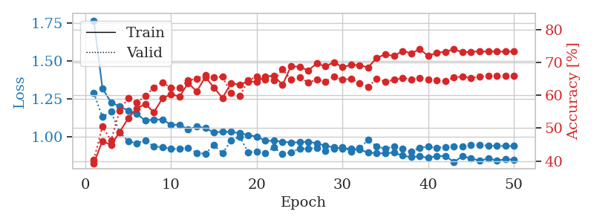
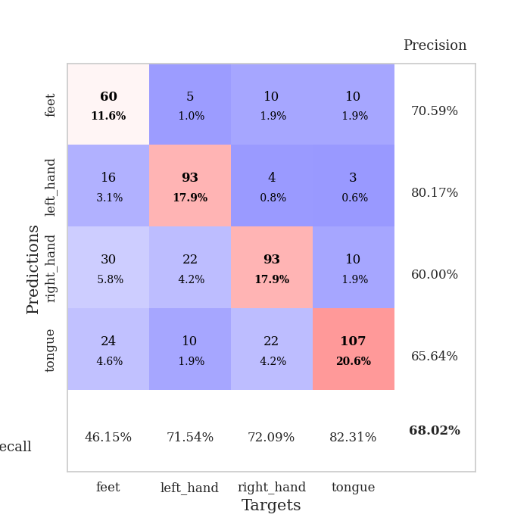
train_loss | valid_loss | train_accuracy | valid_accuracy | dur | train_misclass | valid_misclass
1.7674186899 | 1.289231833 | 0.39313271605 | 0.40462427746 | 0.55855536461 | 39.313271605 | 40.462427746
1.3207253291 | 1.1315946452 | 0.46103395062 | 0.50481695568 | 0.55951142311 | 46.103395062 | 50.481695568
1.2283120199 | 1.1661400744 | 0.44830246914 | 0.46242774566 | 0.55797505379 | 44.830246914 | 46.242774566
1.2021861452 | 1.0334205788 | 0.48804012346 | 0.55298651252 | 0.55935978889 | 48.804012346 | 55.298651252
1.174243945 | 0.97215058418 | 0.52970679012 | 0.591522158 | 0.55871701241 | 52.970679012 | 59.1522158
1.1533939014 | 0.95949582787 | 0.56095679012 | 0.57803468208 | 0.55852556229 | 56.095679012 | 57.803468208
1.1083849602 | 0.97885267767 | 0.57330246914 | 0.59730250482 | 0.55704569817 | 57.330246914 | 59.730250482
1.116023624 | 0.93732597396 | 0.54861111111 | 0.62427745665 | 0.56014180183 | 54.861111111 | 62.427745665
1.1148957154 | 0.93366084956 | 0.59066358025 | 0.63969171484 | 0.55844640732 | 59.066358025 | 63.969171484
1.0811037602 | 0.92225112575 | 0.60339506173 | 0.62235067437 | 0.5579996109 | 60.339506173 | 62.235067437
1.0812509424 | 0.92435968106 | 0.59683641975 | 0.62427745665 | 0.55924606323 | 59.683641975 | 62.427745665
1.0501488068 | 0.92964924255 | 0.63734567901 | 0.64547206166 | 0.55812931061 | 63.734567901 | 64.547206166
1.068808329 | 0.89647689996 | 0.61226851852 | 0.65125240848 | 0.56288027763 | 61.226851852 | 65.125240848
1.0593267484 | 0.8902328793 | 0.65586419753 | 0.66281310212 | 0.55997228622 | 65.586419753 | 66.281310212
1.0298755128 | 0.94937042441 | 0.62384259259 | 0.65510597303 | 0.55893301964 | 62.384259259 | 65.510597303
1.0360143361 | 0.89262889713 | 0.59220679012 | 0.6570327553 | 0.55970191956 | 59.220679012 | 65.70327553
1.0338973443 | 0.97652578009 | 0.63657407407 | 0.60693641618 | 0.5605609417 | 63.657407407 | 60.693641618
1.025839094 | 1.0031332595 | 0.63310185185 | 0.59730250482 | 0.55877113342 | 63.310185185 | 59.730250482
1.0133151809 | 0.90143121001 | 0.64236111111 | 0.64547206166 | 0.56018257141 | 64.236111111 | 64.547206166
1.0034526406 | 0.90256470465 | 0.6412037037 | 0.6570327553 | 0.5575902462 | 64.12037037 | 65.70327553
0.976155883 | 0.8931963469 | 0.65740740741 | 0.64739884393 | 0.56050920486 | 65.740740741 | 64.739884393
0.97526679436 | 0.9320665498 | 0.66010802469 | 0.64547206166 | 0.55751538277 | 66.010802469 | 64.547206166
0.96991145004 | 0.88708285284 | 0.63194444444 | 0.68015414258 | 0.55745506287 | 63.194444444 | 68.015414258
0.96355795713 | 0.90101511745 | 0.68942901235 | 0.64739884393 | 0.55768942833 | 68.942901235 | 64.739884393
0.96597662458 | 0.92223892161 | 0.68672839506 | 0.65510597303 | 0.55752778053 | 68.672839506 | 65.510597303
0.96990266534 | 0.92473092911 | 0.6763117284 | 0.63969171484 | 0.55833292007 | 67.63117284 | 63.969171484
0.95848119259 | 0.92754046076 | 0.6975308642 | 0.64739884393 | 0.55789804459 | 69.75308642 | 64.739884393
0.94291847687 | 0.91011965183 | 0.68827160494 | 0.64161849711 | 0.55724787712 | 68.827160494 | 64.161849711
0.93188796956 | 0.92471716399 | 0.70061728395 | 0.6570327553 | 0.55732798576 | 70.061728395 | 65.70327553
0.92419853623 | 0.93463179762 | 0.68634259259 | 0.64739884393 | 0.55709505081 | 68.634259259 | 64.739884393
0.92498936569 | 0.90393250848 | 0.69290123457 | 0.65125240848 | 0.55775976181 | 69.290123457 | 65.125240848
0.91726523012 | 0.92660339283 | 0.69212962963 | 0.63776493256 | 0.55851268768 | 69.212962963 | 63.776493256
0.89807489864 | 0.98196731758 | 0.68518518519 | 0.62620423892 | 0.56174564362 | 68.518518519 | 62.620423892
0.89335243809 | 0.93788085163 | 0.71489197531 | 0.65125240848 | 0.56046247482 | 71.489197531 | 65.125240848
0.89353908672 | 0.92287697245 | 0.72492283951 | 0.64161849711 | 0.56452822685 | 72.492283951 | 64.161849711
0.89834763165 | 0.9390459713 | 0.71990740741 | 0.64739884393 | 0.5602786541 | 71.990740741 | 64.739884393
0.87723787221 | 0.92575871347 | 0.73533950617 | 0.65317919075 | 0.55767798424 | 73.533950617 | 65.317919075
0.86832671456 | 0.90292167778 | 0.72839506173 | 0.6493256262 | 0.5581445694 | 72.839506173 | 64.93256262
0.8733355907 | 0.92927002838 | 0.74074074074 | 0.65317919075 | 0.55782771111 | 74.074074074 | 65.317919075
0.86277075075 | 0.93762143591 | 0.72029320988 | 0.6493256262 | 0.55869722366 | 72.029320988 | 64.93256262
0.87552916654 | 0.9285163358 | 0.7299382716 | 0.64547206166 | 0.56205654144 | 72.99382716 | 64.547206166
0.87441373662 | 0.93550699042 | 0.73302469136 | 0.64354527938 | 0.55849409103 | 73.302469136 | 64.354527938
0.83685649655 | 0.93779404545 | 0.74074074074 | 0.65510597303 | 0.5581908226 | 74.074074074 | 65.510597303
0.87311027779 | 0.94071141029 | 0.73109567901 | 0.6570327553 | 0.5583152771 | 73.109567901 | 65.70327553
0.86040900887 | 0.94615510663 | 0.73302469136 | 0.65317919075 | 0.56045675278 | 73.302469136 | 65.317919075
0.84451702955 | 0.94626857435 | 0.73418209877 | 0.6570327553 | 0.55685806274 | 73.418209877 | 65.70327553
0.85846336112 | 0.94451731799 | 0.73341049383 | 0.65895953757 | 0.55725026131 | 73.341049383 | 65.895953757
0.84653083447 | 0.94122612821 | 0.7337962963 | 0.65895953757 | 0.55734419823 | 73.37962963 | 65.895953757
0.85299097443 | 0.9409687712 | 0.73341049383 | 0.65895953757 | 0.56168937683 | 73.341049383 | 65.895953757
0.85238145034 | 0.94091671786 | 0.7337962963 | 0.65895953757 | 0.56401252747 | 73.37962963 | 65.895953757

Best Val accuracy is 0.6801541425818882 and Best test accuracy is 0.49589966232513266

Sheet5
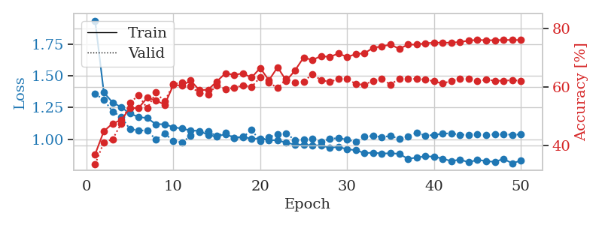
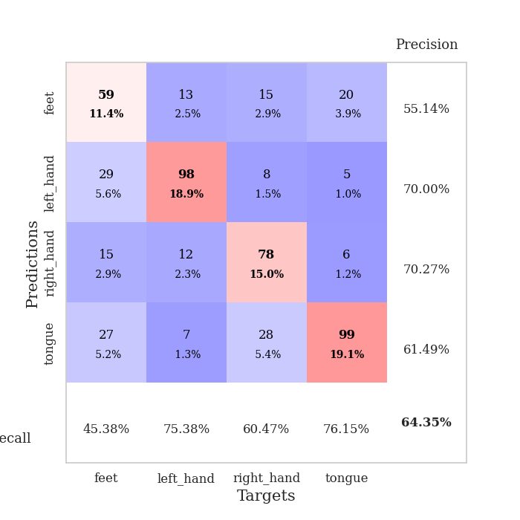
train_loss | valid_loss | train_accuracy | valid_accuracy | dur | train_misclass | valid_misclass
1.9348464571 | 1.3565640429 | 0.36921296296 | 0.33526011561 | 0.5703971386 | 36.921296296 | 33.526011561
1.3692802051 | 1.3123713241 | 0.44791666667 | 0.41040462428 | 0.55647921562 | 44.791666667 | 41.040462428
1.2901328787 | 1.2192188155 | 0.47415123457 | 0.42003853565 | 0.55614995956 | 47.415123457 | 42.003853565
1.2528420959 | 1.1770515089 | 0.48611111111 | 0.47398843931 | 0.55707383156 | 48.611111111 | 47.398843931
1.2030260695 | 1.0802823939 | 0.52662037037 | 0.54527938343 | 0.56353664398 | 52.662037037 | 54.527938343
1.1751388223 | 1.0698081682 | 0.52739197531 | 0.57032755299 | 0.59265518188 | 52.739197531 | 57.032755299
1.1666703121 | 1.0686029912 | 0.56211419753 | 0.52601156069 | 0.55275464058 | 56.211419753 | 52.601156069
1.117986232 | 0.99731346798 | 0.55362654321 | 0.57996146435 | 0.55484938622 | 55.362654321 | 57.996146435
1.1188317813 | 1.0463369832 | 0.53819444444 | 0.54913294798 | 0.55194759369 | 53.819444444 | 54.913294798
1.0952278891 | 0.9853979062 | 0.60570987654 | 0.60886319846 | 0.5513920784 | 60.570987654 | 60.886319846
1.0839189563 | 0.97528457504 | 0.60416666667 | 0.61464354528 | 0.54059767723 | 60.416666667 | 61.464354528
1.069198991 | 1.0265464983 | 0.62075617284 | 0.60115606936 | 0.53806066513 | 62.075617284 | 60.115606936
1.0657364763 | 1.0561367737 | 0.58834876543 | 0.57803468208 | 0.53742718697 | 58.834876543 | 57.803468208
1.0334693714 | 1.0618607954 | 0.58950617284 | 0.57418111753 | 0.53695702553 | 58.950617284 | 57.418111753
1.0197053027 | 1.0246574607 | 0.61805555556 | 0.60500963391 | 0.53644490242 | 61.805555556 | 60.500963391
1.0412581975 | 1.0534331181 | 0.64583333333 | 0.591522158 | 0.53638577461 | 64.583333333 | 59.1522158
1.0119390646 | 1.0094207399 | 0.64043209877 | 0.59537572254 | 0.53690934181 | 64.043209877 | 59.537572254
1.0197047216 | 1.0154764528 | 0.64544753086 | 0.60500963391 | 0.53716301918 | 64.544753086 | 60.500963391
1.0028089373 | 1.0724818176 | 0.63117283951 | 0.59922928709 | 0.53667020798 | 63.117283951 | 59.922928709
1.0065048368 | 0.98820833825 | 0.66396604938 | 0.63198458574 | 0.53888297081 | 66.396604938 | 63.198458574
0.99283471814 | 1.0159525929 | 0.62191358025 | 0.61464354528 | 0.54179883003 | 62.191358025 | 61.464354528
0.99184763799 | 1.0396668208 | 0.66666666667 | 0.59537572254 | 0.54582214355 | 66.666666667 | 59.537572254
0.97212324025 | 1.0468650836 | 0.62037037037 | 0.62620423892 | 0.54958248138 | 62.037037037 | 62.620423892
0.95849131121 | 0.99177678771 | 0.65547839506 | 0.61464354528 | 0.54970932007 | 65.547839506 | 61.464354528
0.95659334387 | 0.99660862893 | 0.69984567901 | 0.61657032755 | 0.55041790009 | 69.984567901 | 61.657032755
0.95254945718 | 1.0047562037 | 0.69097222222 | 0.64354527938 | 0.55137205124 | 69.097222222 | 64.354527938
0.95159004941 | 0.9813477297 | 0.70486111111 | 0.62235067437 | 0.53764605522 | 70.486111111 | 62.235067437
0.93233440853 | 1.0023546315 | 0.70138888889 | 0.61657032755 | 0.5386288166 | 70.138888889 | 61.657032755
0.93961283675 | 1.0099757694 | 0.7137345679 | 0.62620423892 | 0.53821396828 | 71.37345679 | 62.620423892
0.92142079605 | 0.99700670826 | 0.70138888889 | 0.62813102119 | 0.5395989418 | 70.138888889 | 62.813102119
0.91368469228 | 0.98006968002 | 0.71141975309 | 0.60886319846 | 0.53173327446 | 71.141975309 | 60.886319846
0.89073608871 | 1.0215288079 | 0.71412037037 | 0.60693641618 | 0.53343009949 | 71.412037037 | 60.693641618
0.89396206004 | 1.0255750482 | 0.73302469136 | 0.6204238921 | 0.53309011459 | 73.302469136 | 62.04238921
0.88785164187 | 1.0170363702 | 0.73765432099 | 0.62620423892 | 0.53231811523 | 73.765432099 | 62.620423892
0.8888977766 | 1.0262752142 | 0.74421296296 | 0.60693641618 | 0.53303837776 | 74.421296296 | 60.693641618
0.88537943492 | 1.0030086407 | 0.72916666667 | 0.62813102119 | 0.53298950195 | 72.916666667 | 62.813102119
0.8452917124 | 1.0215760322 | 0.74382716049 | 0.62813102119 | 0.53321862221 | 74.382716049 | 62.813102119
0.85573113369 | 1.0495991111 | 0.74382716049 | 0.62620423892 | 0.53311347961 | 74.382716049 | 62.620423892
0.86526673278 | 1.0300787025 | 0.74845679012 | 0.62427745665 | 0.53296923637 | 74.845679012 | 62.427745665
0.86269223193 | 1.0327737988 | 0.75038580247 | 0.61849710983 | 0.53375530243 | 75.038580247 | 61.849710983
0.84691837172 | 1.0451373404 | 0.75038580247 | 0.61078998073 | 0.53367519379 | 75.038580247 | 61.078998073
0.82731278535 | 1.046179134 | 0.75038580247 | 0.6204238921 | 0.53339314461 | 75.038580247 | 62.04238921
0.83993364392 | 1.0356184141 | 0.75270061728 | 0.62620423892 | 0.53368902206 | 75.270061728 | 62.620423892
0.81769538625 | 1.0359036796 | 0.75733024691 | 0.62620423892 | 0.5323176384 | 75.733024691 | 62.620423892
0.83823138365 | 1.0374308269 | 0.7600308642 | 0.61849710983 | 0.56343269348 | 76.00308642 | 61.849710983
0.82719277158 | 1.0357487677 | 0.75848765432 | 0.62427745665 | 0.53637933731 | 75.848765432 | 62.427745665
0.82171879911 | 1.0386211562 | 0.75887345679 | 0.6204238921 | 0.5329811573 | 75.887345679 | 62.04238921
0.84533856312 | 1.0381750982 | 0.75964506173 | 0.6204238921 | 0.53279089928 | 75.964506173 | 62.04238921
0.81022637843 | 1.0361145018 | 0.75964506173 | 0.62235067437 | 0.5342168808 | 75.964506173 | 62.235067437
0.83163508442 | 1.0376851724 | 0.75925925926 | 0.6204238921 | 0.53171110153 | 75.925925926 | 62.04238921

Best Val accuracy is 0.6435452793834296 and Best test accuracy is 0.5306319343945972

Sheet6
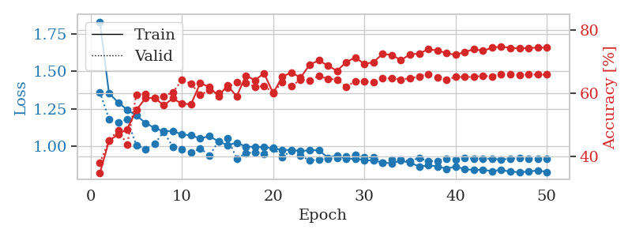
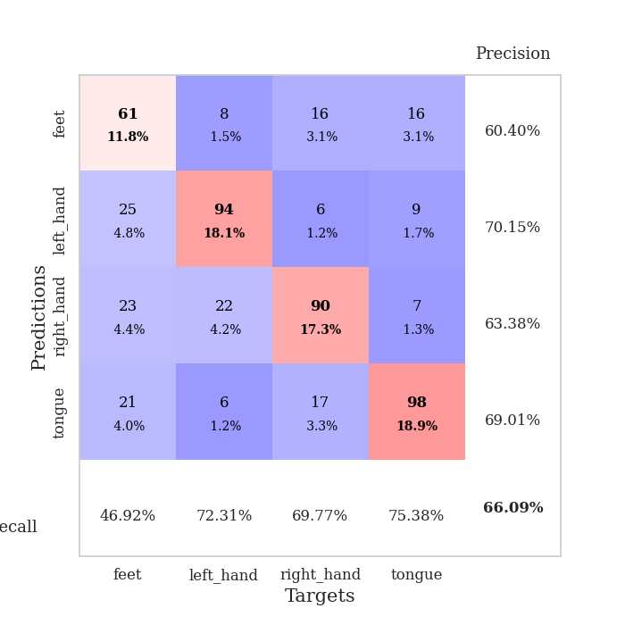
train_loss | valid_loss | train_accuracy | valid_accuracy | dur | train_misclass | valid_misclass
1.828987371 | 1.3606362274 | 0.34683641975 | 0.3795761079 | 0.61389374733 | 34.683641975 | 37.95761079
1.3538556095 | 1.1830464395 | 0.44907407407 | 0.44894026975 | 0.56080818176 | 44.907407407 | 44.894026975
1.2930522425 | 1.161685953 | 0.46990740741 | 0.48362235067 | 0.5573952198 | 46.990740741 | 48.362235067
1.243771014 | 1.1789247053 | 0.48611111111 | 0.43737957611 | 0.55884552002 | 48.611111111 | 43.737957611
1.2058410376 | 1.0094097726 | 0.54706790123 | 0.59537572254 | 0.56023907661 | 54.706790123 | 59.537572254
1.1566843648 | 0.98267125234 | 0.58410493827 | 0.59730250482 | 0.55840468407 | 58.410493827 | 59.730250482
1.1223294978 | 1.0153920997 | 0.58564814815 | 0.5838150289 | 0.56174969673 | 58.564814815 | 58.38150289
1.101448473 | 1.0987193548 | 0.56134259259 | 0.58959537572 | 0.55944848061 | 56.134259259 | 58.959537572
1.1025198268 | 0.99682663861 | 0.5837191358 | 0.60308285164 | 0.55910372734 | 58.37191358 | 60.308285164
1.080148375 | 0.98220017857 | 0.56635802469 | 0.64161849711 | 0.55968594551 | 56.635802469 | 64.161849711
1.0735281301 | 0.95959004318 | 0.56558641975 | 0.63005780347 | 0.55950117111 | 56.558641975 | 63.005780347
1.0534177121 | 0.98737370302 | 0.63194444444 | 0.59537572254 | 0.559851408 | 63.194444444 | 59.537572254
1.0684109323 | 0.94113293526 | 0.61959876543 | 0.60886319846 | 0.56011509895 | 61.959876543 | 60.886319846
1.0342605636 | 1.0323656956 | 0.59104938272 | 0.59922928709 | 0.56173944473 | 59.104938272 | 59.922928709
1.0084923513 | 1.0550808309 | 0.62422839506 | 0.61849710983 | 0.56314396858 | 62.422839506 | 61.849710983
1.0248306482 | 0.92030767806 | 0.58989197531 | 0.63391136802 | 0.56036520004 | 58.989197531 | 63.391136802
0.99945646635 | 0.95432546097 | 0.65586419753 | 0.63198458574 | 0.56326079369 | 65.586419753 | 63.198458574
0.99655947292 | 0.9620878724 | 0.6412037037 | 0.6204238921 | 0.55993747711 | 64.12037037 | 62.04238921
0.99654779905 | 0.95102596214 | 0.66319444444 | 0.62235067437 | 0.55831670761 | 66.319444444 | 62.235067437
0.985987664 | 0.99194042554 | 0.59992283951 | 0.60308285164 | 0.56319928169 | 59.992283951 | 60.308285164
0.97772751141 | 0.93006467911 | 0.65239197531 | 0.63391136802 | 0.55975747108 | 65.239197531 | 63.391136802
0.97633912129 | 0.9714568433 | 0.66550925926 | 0.62235067437 | 0.56552243233 | 66.550925926 | 62.235067437
0.97050024183 | 0.93831546826 | 0.64930555556 | 0.64354527938 | 0.55768942833 | 64.930555556 | 64.354527938
0.97418115555 | 0.90753439442 | 0.69020061728 | 0.63969171484 | 0.56059265137 | 69.020061728 | 63.969171484
0.97555588903 | 0.91223146667 | 0.70408950617 | 0.65510597303 | 0.55960011482 | 70.408950617 | 65.510597303
0.92554673148 | 0.91755367749 | 0.68711419753 | 0.64547206166 | 0.55963373184 | 68.711419753 | 64.547206166
0.94091575896 | 0.92299139132 | 0.67091049383 | 0.64354527938 | 0.56191182137 | 67.091049383 | 64.354527938
0.91782855785 | 0.936052717 | 0.69830246914 | 0.6204238921 | 0.56429243088 | 69.830246914 | 62.04238921
0.9196538009 | 0.94580990065 | 0.71296296296 | 0.63776493256 | 0.55848002434 | 71.296296296 | 63.776493256
0.90873299999 | 0.92634041805 | 0.6925154321 | 0.63776493256 | 0.56061577797 | 69.25154321 | 63.776493256
0.90692821292 | 0.92983340643 | 0.69830246914 | 0.63391136802 | 0.55888319016 | 69.830246914 | 63.391136802
0.89304331239 | 0.89441489967 | 0.72453703704 | 0.64739884393 | 0.55938124657 | 72.453703704 | 64.739884393
0.88797940479 | 0.91162851665 | 0.72106481481 | 0.64739884393 | 0.5603055954 | 72.106481481 | 64.739884393
0.90604635558 | 0.9138148187 | 0.70486111111 | 0.64354527938 | 0.55918383598 | 70.486111111 | 64.354527938
0.8917039114 | 0.90430640095 | 0.72260802469 | 0.64739884393 | 0.55908155441 | 72.260802469 | 64.739884393
0.86760521873 | 0.92378083451 | 0.72569444444 | 0.65317919075 | 0.56067872047 | 72.569444444 | 65.317919075
0.87356576103 | 0.90187303845 | 0.7388117284 | 0.66088631985 | 0.55858039856 | 73.88117284 | 66.088631985
0.86815670703 | 0.90478221851 | 0.73533950617 | 0.6493256262 | 0.56159996986 | 73.533950617 | 64.93256262
0.85214621748 | 0.91980761025 | 0.72685185185 | 0.64354527938 | 0.56152391434 | 72.685185185 | 64.354527938
0.86737084499 | 0.91377267465 | 0.72145061728 | 0.65125240848 | 0.55930256844 | 72.145061728 | 65.125240848
0.84963120594 | 0.92571281146 | 0.73032407407 | 0.65125240848 | 0.5618083477 | 73.032407407 | 65.125240848
0.8433522135 | 0.91782159291 | 0.73958333333 | 0.65125240848 | 0.55943250656 | 73.958333333 | 65.125240848
0.84521829272 | 0.91901916392 | 0.73418209877 | 0.65510597303 | 0.55837130547 | 73.418209877 | 65.510597303
0.83648818124 | 0.91888213686 | 0.74421296296 | 0.65317919075 | 0.55868959427 | 74.421296296 | 65.317919075
0.84502718129 | 0.91319436834 | 0.74768518519 | 0.66088631985 | 0.55923652649 | 74.768518519 | 66.088631985
0.83186460719 | 0.91897998081 | 0.74344135802 | 0.66088631985 | 0.5592918396 | 74.344135802 | 66.088631985
0.83028676812 | 0.92165900333 | 0.74189814815 | 0.6570327553 | 0.56171584129 | 74.189814815 | 65.70327553
0.8322959281 | 0.91802356675 | 0.74305555556 | 0.65895953757 | 0.55958890915 | 74.305555556 | 65.895953757
0.84174893815 | 0.91730454593 | 0.74421296296 | 0.65895953757 | 0.55917358398 | 74.421296296 | 65.895953757
0.83026711496 | 0.91688678834 | 0.74421296296 | 0.65895953757 | 0.55971813202 | 74.421296296 | 65.895953757

Best Val accuracy is 0.6608863198458574 and Best test accuracy is 0.5417269657501206

Sheet7
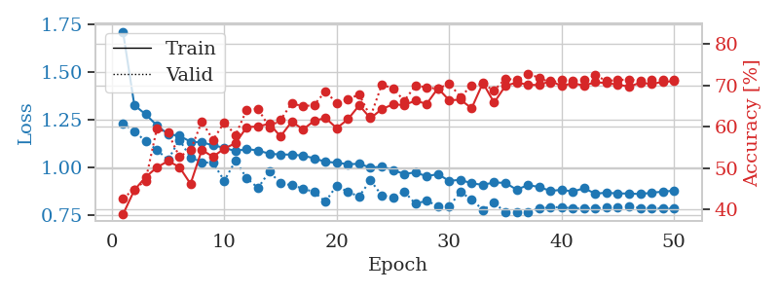
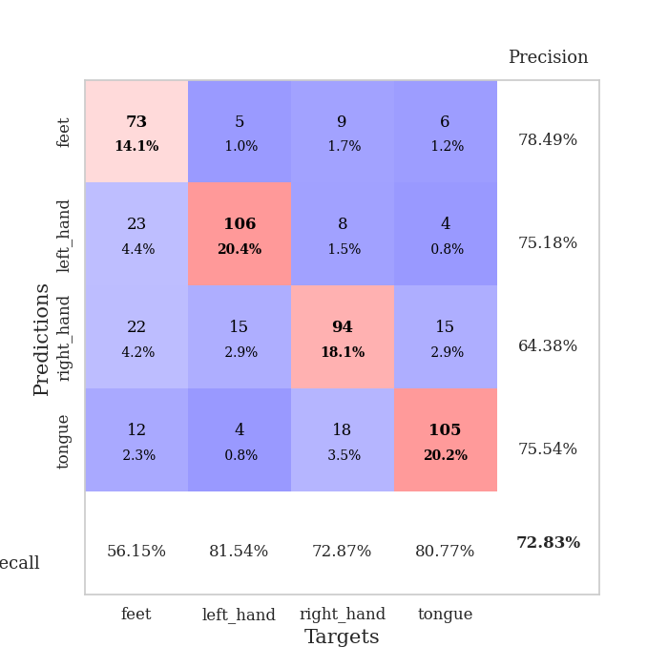
train_loss | valid_loss | train_accuracy | valid_accuracy | dur | train_misclass | valid_misclass
1.7070363525 | 1.2301844487 | 0.38888888889 | 0.42774566474 | 0.58133673668 | 38.888888889 | 42.774566474
1.3252404913 | 1.1870791453 | 0.44714506173 | 0.44894026975 | 0.54991674423 | 44.714506173 | 44.894026975
1.2772204791 | 1.1367050928 | 0.47839506173 | 0.47013487476 | 0.5664627552 | 47.839506173 | 47.013487476
1.219290067 | 1.0905780727 | 0.50192901235 | 0.59537572254 | 0.5478823185 | 50.192901235 | 59.537572254
1.1725231218 | 1.0380954517 | 0.51736111111 | 0.58574181118 | 0.5454955101 | 51.736111111 | 58.574181118
1.164528736 | 1.1431552675 | 0.50308641975 | 0.52793834297 | 0.55106329918 | 50.308641975 | 52.793834297
1.1332360072 | 1.0518420939 | 0.46219135802 | 0.54335260116 | 0.54841375351 | 46.219135802 | 54.335260116
1.129852753 | 1.0259742221 | 0.54398148148 | 0.61271676301 | 0.55139803886 | 54.398148148 | 61.271676301
1.114552035 | 1.0220404905 | 0.52777777778 | 0.56840077071 | 0.54772949219 | 52.777777778 | 56.840077071
1.1011890854 | 0.92862015147 | 0.5474537037 | 0.61078998073 | 0.54818987846 | 54.74537037 | 61.078998073
1.0838421896 | 1.0329269495 | 0.56057098765 | 0.57996146435 | 0.5517513752 | 56.057098765 | 57.996146435
1.0954319894 | 0.94171618772 | 0.59953703704 | 0.64161849711 | 0.55509448051 | 59.953703704 | 64.161849711
1.0866311571 | 0.89067897838 | 0.60069444444 | 0.64354527938 | 0.54846596718 | 60.069444444 | 64.354527938
1.0708520497 | 0.97557715345 | 0.60763888889 | 0.59922928709 | 0.5484585762 | 60.763888889 | 59.922928709
1.0657112444 | 0.91657287905 | 0.57677469136 | 0.61657032755 | 0.54799556732 | 57.677469136 | 61.657032755
1.0660545359 | 0.90407150605 | 0.61265432099 | 0.6570327553 | 0.5495994091 | 61.265432099 | 65.70327553
1.0596968292 | 0.88775895533 | 0.59375 | 0.6493256262 | 0.54716920853 | 59.375 | 64.93256262
1.0465023794 | 0.86851094844 | 0.61458333333 | 0.65317919075 | 0.54688072205 | 61.458333333 | 65.317919075
1.0272702049 | 0.81882590377 | 0.62152777778 | 0.6859344894 | 0.54471802711 | 62.152777778 | 68.59344894
1.0235550886 | 0.90309009341 | 0.59683641975 | 0.6570327553 | 0.53890323639 | 59.683641975 | 65.70327553
1.0149375487 | 0.86862680816 | 0.61844135802 | 0.66666666667 | 0.54329109192 | 61.844135802 | 66.666666667
1.0175603481 | 0.84679895077 | 0.65200617284 | 0.67822736031 | 0.54944586754 | 65.200617284 | 67.822736031
0.99734808964 | 0.93094132861 | 0.62075617284 | 0.62427745665 | 0.54949450493 | 62.075617284 | 62.427745665
1.0018772542 | 0.85127136542 | 0.64274691358 | 0.70134874759 | 0.55034565926 | 64.274691358 | 70.134874759
0.98384861703 | 0.84154844812 | 0.65432098765 | 0.6936416185 | 0.54935741425 | 65.432098765 | 69.36416185
0.96469732935 | 0.87205325432 | 0.65277777778 | 0.66281310212 | 0.55085635185 | 65.277777778 | 66.281310212
0.97174616103 | 0.8070400595 | 0.66319444444 | 0.69942196532 | 0.54180240631 | 66.319444444 | 69.942196532
0.95210772716 | 0.82415189196 | 0.65547839506 | 0.69556840077 | 0.53927350044 | 65.547839506 | 69.556840077
0.96322902412 | 0.79435246643 | 0.69328703704 | 0.69171483622 | 0.54658937454 | 69.328703704 | 69.171483622
0.9274652179 | 0.79403958339 | 0.66435185185 | 0.70520231214 | 0.55011057854 | 66.435185185 | 70.520231214
0.93372060414 | 0.86873979697 | 0.66550925926 | 0.67244701349 | 0.54312634468 | 66.550925926 | 67.244701349
0.91419713402 | 0.83086746988 | 0.6450617284 | 0.69942196532 | 0.53751158714 | 64.50617284 | 69.942196532
0.90741350585 | 0.77496093822 | 0.70601851852 | 0.70327552987 | 0.53802251816 | 70.601851852 | 70.327552987
0.9191651944 | 0.81195355243 | 0.65856481481 | 0.68786127168 | 0.5382194519 | 65.856481481 | 68.786127168
0.91728677794 | 0.76322949025 | 0.69907407407 | 0.71676300578 | 0.53755617142 | 69.907407407 | 71.676300578
0.88158364079 | 0.76342245724 | 0.70717592593 | 0.71290944123 | 0.53790426254 | 70.717592593 | 71.290944123
0.90530171052 | 0.76481097328 | 0.70177469136 | 0.72832369942 | 0.53705358505 | 70.177469136 | 72.832369942
0.89606091086 | 0.78343033951 | 0.70100308642 | 0.71868978805 | 0.53739595413 | 70.100308642 | 71.868978805
0.87483874405 | 0.78873341047 | 0.71064814815 | 0.70712909441 | 0.62676000595 | 71.064814815 | 70.712909441
0.880927938 | 0.79004341398 | 0.69907407407 | 0.71290944123 | 0.55722737312 | 69.907407407 | 71.290944123
0.87170422555 | 0.7829633586 | 0.70524691358 | 0.71098265896 | 0.55670213699 | 70.524691358 | 71.098265896
0.88909628491 | 0.78289130405 | 0.69984567901 | 0.71290944123 | 0.5569858551 | 69.984567901 | 71.290944123
0.86062891855 | 0.78193022589 | 0.70794753086 | 0.72447013487 | 0.57693004608 | 70.794753086 | 72.447013487
0.86574655808 | 0.78952128878 | 0.70563271605 | 0.71098265896 | 0.55820655823 | 70.563271605 | 71.098265896
0.86124684652 | 0.78689853075 | 0.70216049383 | 0.71290944123 | 0.55649399757 | 70.216049383 | 71.290944123
0.86170718994 | 0.79147449164 | 0.69714506173 | 0.71483622351 | 0.56164598465 | 69.714506173 | 71.483622351
0.85831385078 | 0.78588458385 | 0.70679012346 | 0.71098265896 | 0.55759310722 | 70.679012346 | 71.098265896
0.86558244111 | 0.78442101534 | 0.7037037037 | 0.71290944123 | 0.55852127075 | 70.37037037 | 71.290944123
0.87114215559 | 0.78180337986 | 0.7087191358 | 0.71290944123 | 0.55733585358 | 70.87191358 | 71.290944123
0.87640166798 | 0.7819848814 | 0.71026234568 | 0.71290944123 | 0.56006455421 | 71.026234568 | 71.290944123

Best Val accuracy is 0.7283236994219653 and Best test accuracy is 0.5359382537385432

Sheet8
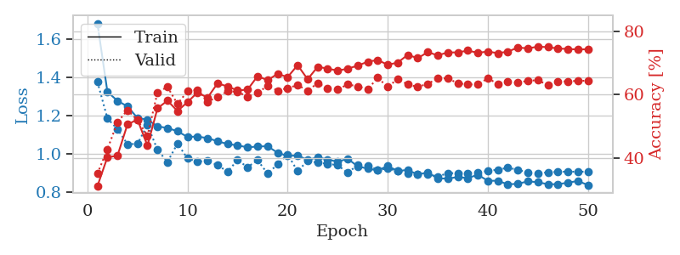
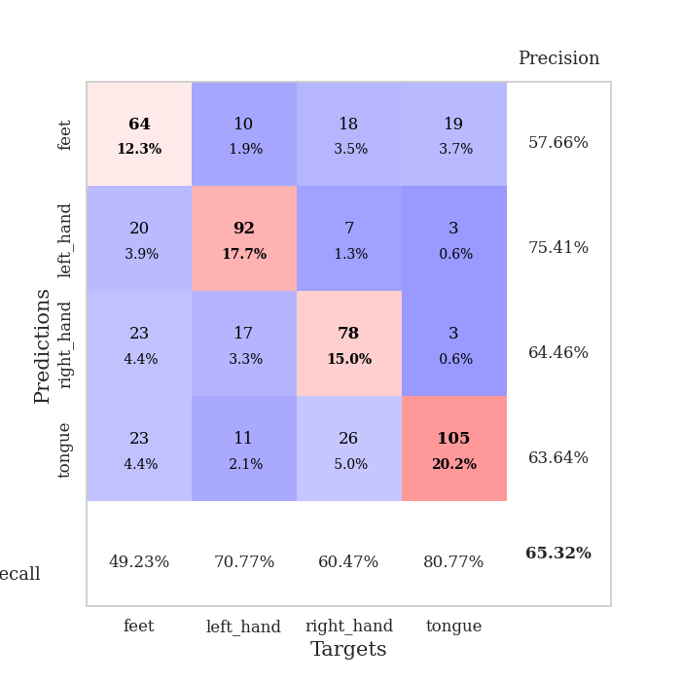
train_loss | valid_loss | train_accuracy | valid_accuracy | dur | train_misclass | valid_misclass
1.6815848115 | 1.3768748814 | 0.31134259259 | 0.3506743738 | 0.56149315834 | 31.134259259 | 35.06743738
1.3241381277 | 1.1853483571 | 0.40277777778 | 0.42774566474 | 0.55886292458 | 40.277777778 | 42.774566474
1.2776039846 | 1.1292871664 | 0.40702160494 | 0.51252408478 | 0.55779933929 | 40.702160494 | 51.252408478
1.2481194197 | 1.0512750808 | 0.50578703704 | 0.55105973025 | 0.56087565422 | 50.578703704 | 55.105973025
1.1879128869 | 1.0519912888 | 0.52160493827 | 0.52023121387 | 0.55629634857 | 52.160493827 | 52.023121387
1.1791298643 | 1.1520081207 | 0.43904320988 | 0.47013487476 | 0.5561299324 | 43.904320988 | 47.013487476
1.143997812 | 1.021144668 | 0.55671296296 | 0.60693641618 | 0.56441354752 | 55.671296296 | 60.693641618
1.1352146912 | 0.95805914645 | 0.58101851852 | 0.62427745665 | 0.56138062477 | 58.101851852 | 62.427745665
1.1182742524 | 1.0541964129 | 0.54822530864 | 0.57032755299 | 0.55898976326 | 54.822530864 | 57.032755299
1.0885241874 | 0.97599860262 | 0.57638888889 | 0.61078998073 | 0.56116819382 | 57.638888889 | 61.078998073
1.0907290593 | 0.96070701079 | 0.60686728395 | 0.61464354528 | 0.56177854538 | 60.686728395 | 61.464354528
1.0822683654 | 0.96265624415 | 0.59027777778 | 0.57803468208 | 0.55671787262 | 59.027777778 | 57.803468208
1.0662393106 | 0.94164692506 | 0.63541666667 | 0.591522158 | 0.55599355698 | 63.541666667 | 59.1522158
1.0515309583 | 0.90732369189 | 0.62577160494 | 0.61078998073 | 0.55625462532 | 62.577160494 | 61.078998073
1.0446084598 | 0.96773395074 | 0.61304012346 | 0.60886319846 | 0.55675935745 | 61.304012346 | 60.886319846
1.0342231849 | 0.93096532918 | 0.61574074074 | 0.59344894027 | 0.55670762062 | 61.574074074 | 59.344894027
1.0386551155 | 0.96753708361 | 0.65817901235 | 0.60500963391 | 0.55646681786 | 65.817901235 | 60.500963391
1.0401092153 | 0.89710500084 | 0.64544753086 | 0.62813102119 | 0.55907034874 | 64.544753086 | 62.813102119
1.0061624841 | 0.94527942046 | 0.66550925926 | 0.61271676301 | 0.56128811836 | 66.550925926 | 61.271676301
0.98932968687 | 0.99803232871 | 0.65509259259 | 0.6204238921 | 0.55983066559 | 65.509259259 | 62.04238921
0.99183948614 | 0.90938783772 | 0.69290123457 | 0.63005780347 | 0.55870127678 | 69.290123457 | 63.005780347
0.9683436549 | 0.9641500213 | 0.64853395062 | 0.61271676301 | 0.55903410912 | 64.853395062 | 61.271676301
0.98207932858 | 0.95452937593 | 0.6875 | 0.63583815029 | 0.55737018585 | 68.75 | 63.583815029
0.97110361045 | 0.94883368424 | 0.68209876543 | 0.6204238921 | 0.55680561066 | 68.209876543 | 62.04238921
0.95889204888 | 0.9413038529 | 0.67554012346 | 0.61657032755 | 0.55810928345 | 67.554012346 | 61.657032755
0.97468490218 | 0.9011395515 | 0.68171296296 | 0.63198458574 | 0.55730581284 | 68.171296296 | 63.198458574
0.93534656439 | 0.94163935952 | 0.69135802469 | 0.62620423892 | 0.55659580231 | 69.135802469 | 62.620423892
0.92288046836 | 0.93980824189 | 0.7037037037 | 0.61657032755 | 0.55690526962 | 70.37037037 | 61.657032755
0.91424281031 | 0.91690669894 | 0.70910493827 | 0.65317919075 | 0.55854868889 | 70.910493827 | 65.317919075
0.93687023057 | 0.92333964828 | 0.69405864198 | 0.62427745665 | 0.55137586594 | 69.405864198 | 62.427745665
0.91108729148 | 0.91139211338 | 0.70100308642 | 0.6493256262 | 0.54866242409 | 70.100308642 | 64.93256262
0.9162608444 | 0.89844634652 | 0.72530864198 | 0.63198458574 | 0.5573451519 | 72.530864198 | 63.198458574
0.89228390415 | 0.89415224232 | 0.71489197531 | 0.62427745665 | 0.55674624443 | 71.489197531 | 62.427745665
0.90350376198 | 0.89348799852 | 0.7337962963 | 0.63391136802 | 0.56429648399 | 73.37962963 | 63.391136802
0.87158747532 | 0.88203306671 | 0.7237654321 | 0.65125240848 | 0.56558942795 | 72.37654321 | 65.125240848
0.87151589511 | 0.89910940926 | 0.73302469136 | 0.65125240848 | 0.56143283844 | 73.302469136 | 65.125240848
0.87879358416 | 0.89981302498 | 0.73302469136 | 0.63583815029 | 0.55798506737 | 73.302469136 | 63.583815029
0.87365542739 | 0.89956346849 | 0.7388117284 | 0.63198458574 | 0.55784797668 | 73.88117284 | 63.198458574
0.89112438041 | 0.90434132123 | 0.73186728395 | 0.63198458574 | 0.55877161026 | 73.186728395 | 63.198458574
0.85986039521 | 0.91035627308 | 0.73572530864 | 0.65125240848 | 0.55717968941 | 73.572530864 | 65.125240848
0.85967225425 | 0.91789891656 | 0.73070987654 | 0.63391136802 | 0.55740261078 | 73.070987654 | 63.391136802
0.84101529806 | 0.92729914694 | 0.73533950617 | 0.64161849711 | 0.55648493767 | 73.533950617 | 64.161849711
0.84394837346 | 0.91765565886 | 0.74845679012 | 0.63776493256 | 0.60311245918 | 74.845679012 | 63.776493256
0.85665120497 | 0.90200035765 | 0.74575617284 | 0.64354527938 | 0.5560104847 | 74.575617284 | 64.354527938
0.85239895645 | 0.8992218335 | 0.75115740741 | 0.64547206166 | 0.56168341637 | 75.115740741 | 64.547206166
0.84147899993 | 0.90377814163 | 0.74961419753 | 0.63005780347 | 0.55692768097 | 74.961419753 | 63.005780347
0.84184884565 | 0.90662960395 | 0.74537037037 | 0.64161849711 | 0.55742883682 | 74.537037037 | 64.161849711
0.84957187706 | 0.90748260591 | 0.74382716049 | 0.64161849711 | 0.56396579742 | 74.382716049 | 64.161849711
0.85883011457 | 0.90682338841 | 0.74228395062 | 0.64354527938 | 0.55972480774 | 74.228395062 | 64.354527938
0.83718547464 | 0.90729382433 | 0.74305555556 | 0.64354527938 | 0.5572052002 | 74.305555556 | 64.354527938

Best Val accuracy is 0.653179190751445 and Best test accuracy is 0.5311143270622286

Sheet9
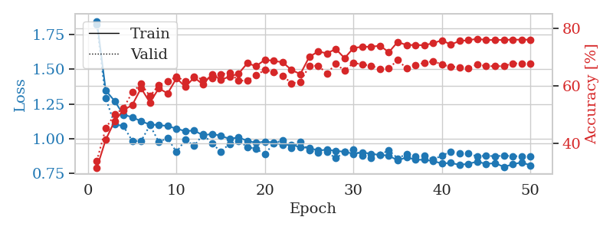
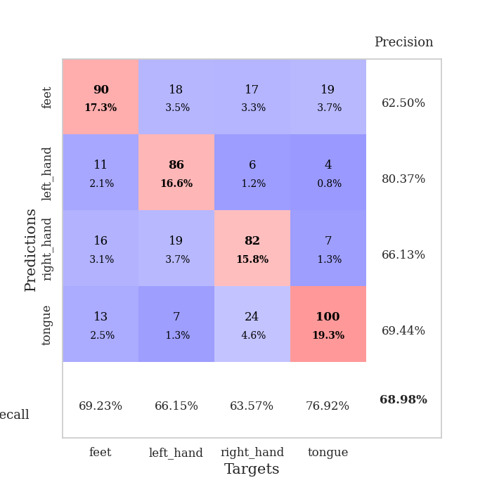
train_loss | valid_loss | train_accuracy | valid_accuracy | dur | train_misclass | valid_misclass
1.8479377212 | 1.8217758209 | 0.31635802469 | 0.34104046243 | 0.55239772797 | 31.635802469 | 34.104046243
1.3476742867 | 1.2928213974 | 0.41358024691 | 0.4527938343 | 0.55388951302 | 41.358024691 | 45.27938343
1.2726472462 | 1.1051513738 | 0.47762345679 | 0.50096339114 | 0.55383276939 | 47.762345679 | 50.096339114
1.172672601 | 1.0908277081 | 0.5162037037 | 0.52215799615 | 0.55764389038 | 51.62037037 | 52.215799615
1.1556814122 | 0.98424772743 | 0.53395061728 | 0.57803468208 | 0.55893278122 | 53.395061728 | 57.803468208
1.1256566979 | 0.98346386353 | 0.59220679012 | 0.60693641618 | 0.56259965897 | 59.220679012 | 60.693641618
1.102424523 | 1.0975677501 | 0.5424382716 | 0.56454720617 | 0.5646545887 | 54.24382716 | 56.454720617
1.0988970564 | 0.97666876578 | 0.59182098765 | 0.60308285164 | 0.56298756599 | 59.182098765 | 60.308285164
1.0911087648 | 1.0042026872 | 0.57407407407 | 0.61657032755 | 0.55885791779 | 57.407407407 | 61.657032755
1.072471289 | 0.9038370958 | 0.62692901235 | 0.63198458574 | 0.55879163742 | 62.692901235 | 63.198458574
1.0546954833 | 0.99209231127 | 0.59683641975 | 0.61657032755 | 0.55869698524 | 59.683641975 | 61.657032755
1.0593231714 | 0.94895148599 | 0.62962962963 | 0.63198458574 | 0.56644845009 | 62.962962963 | 63.198458574
1.0238418443 | 1.0307797127 | 0.60455246914 | 0.62235067437 | 0.55904245377 | 60.455246914 | 62.235067437
1.0347294222 | 0.96781179717 | 0.6412037037 | 0.62813102119 | 0.56411910057 | 64.12037037 | 62.813102119
1.0209890512 | 0.90618456857 | 0.62075617284 | 0.63969171484 | 0.55933856964 | 62.075617284 | 63.969171484
0.99900540047 | 0.96300391999 | 0.63271604938 | 0.64547206166 | 0.55980181694 | 63.271604938 | 64.547206166
1.0092091115 | 0.98498166411 | 0.64197530864 | 0.61849710983 | 0.56066679955 | 64.197530864 | 61.849710983
0.98499170387 | 0.94137239249 | 0.67862654321 | 0.61849710983 | 0.56117010117 | 67.862654321 | 61.849710983
0.96939488215 | 0.92562176979 | 0.66859567901 | 0.63776493256 | 0.56411838531 | 66.859567901 | 63.776493256
0.9801665298 | 0.888575352 | 0.69097222222 | 0.65510597303 | 0.56032896042 | 69.097222222 | 65.510597303
0.97166589086 | 0.96800766515 | 0.68672839506 | 0.6493256262 | 0.56535291672 | 68.672839506 | 64.93256262
0.95642102685 | 0.98835793281 | 0.68209876543 | 0.63583815029 | 0.56017613411 | 68.209876543 | 63.583815029
0.9559868151 | 0.93562126918 | 0.65509259259 | 0.60886319846 | 0.56814932823 | 65.509259259 | 60.886319846
0.93847760337 | 0.97730416324 | 0.6412037037 | 0.61464354528 | 0.56175065041 | 64.12037037 | 61.464354528
0.93442109466 | 0.917403265 | 0.70023148148 | 0.66859344894 | 0.55736041069 | 70.023148148 | 66.859344894
0.91472436745 | 0.89751011248 | 0.71952160494 | 0.67052023121 | 0.55195879936 | 71.952160494 | 67.052023121
0.92079193835 | 0.90566412769 | 0.71296296296 | 0.64354527938 | 0.547549963 | 71.296296296 | 64.354527938
0.91193478527 | 0.85894822661 | 0.72800925926 | 0.67630057803 | 0.54821896553 | 72.800925926 | 67.630057803
0.90651925515 | 0.90296516712 | 0.69637345679 | 0.65317919075 | 0.547716856 | 69.637345679 | 65.317919075
0.8906210385 | 0.92161605928 | 0.73148148148 | 0.68015414258 | 0.5572347641 | 73.148148148 | 68.015414258
0.90129300584 | 0.87935850225 | 0.73572530864 | 0.67437379576 | 0.55743527412 | 73.572530864 | 67.437379576
0.89095149033 | 0.86056792392 | 0.73572530864 | 0.67052023121 | 0.55785393715 | 73.572530864 | 67.052023121
0.88345910609 | 0.8833692864 | 0.73958333333 | 0.65895953757 | 0.55753207207 | 73.958333333 | 65.895953757
0.87797057739 | 0.91710941295 | 0.71682098765 | 0.66088631985 | 0.55748987198 | 71.682098765 | 66.088631985
0.84339994486 | 0.85847230339 | 0.75270061728 | 0.68978805395 | 0.56225776672 | 75.270061728 | 68.978805395
0.86581036485 | 0.88970445921 | 0.74151234568 | 0.66088631985 | 0.56021523476 | 74.151234568 | 66.088631985
0.84915442691 | 0.86986863659 | 0.74228395062 | 0.67244701349 | 0.55668234825 | 74.228395062 | 67.244701349
0.84765070327 | 0.87671123396 | 0.74074074074 | 0.68015414258 | 0.55712127686 | 74.074074074 | 68.015414258
0.83954042803 | 0.85018037693 | 0.74845679012 | 0.6859344894 | 0.5612449646 | 74.845679012 | 68.59344894
0.82077193205 | 0.8774780901 | 0.75810185185 | 0.67437379576 | 0.55902266502 | 75.810185185 | 67.437379576
0.82574266821 | 0.90758048431 | 0.74344135802 | 0.66666666667 | 0.55953574181 | 74.344135802 | 66.666666667
0.81135506523 | 0.89275571744 | 0.75578703704 | 0.66473988439 | 0.55911159515 | 75.578703704 | 66.473988439
0.81939186561 | 0.89281061757 | 0.75848765432 | 0.66088631985 | 0.55935978889 | 75.848765432 | 66.088631985
0.83501769455 | 0.87204490921 | 0.76350308642 | 0.67437379576 | 0.55988836288 | 76.350308642 | 67.437379576
0.81784723957 | 0.87858181813 | 0.75887345679 | 0.66859344894 | 0.56619238853 | 75.887345679 | 66.859344894
0.8244110241 | 0.87286081916 | 0.75964506173 | 0.66859344894 | 0.55835962296 | 75.964506173 | 66.859344894
0.79648329244 | 0.87885317913 | 0.75925925926 | 0.66859344894 | 0.55812072754 | 75.925925926 | 66.859344894
0.815336675 | 0.8739554046 | 0.76080246914 | 0.67822736031 | 0.55964303017 | 76.080246914 | 67.822736031
0.82943343785 | 0.87427932196 | 0.7600308642 | 0.67822736031 | 0.55963969231 | 76.00308642 | 67.822736031
0.80801864079 | 0.87395862302 | 0.76080246914 | 0.67822736031 | 0.57213377953 | 76.080246914 | 67.822736031

Best Val accuracy is 0.6897880539499036 and Best test accuracy is 0.5561987457790641

Sheet10
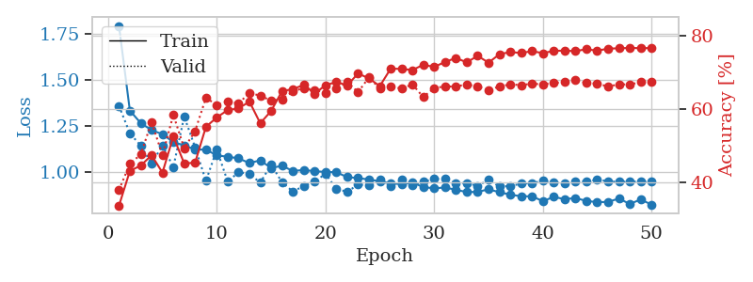

train_loss | valid_loss | train_accuracy | valid_accuracy | dur | train_misclass | valid_misclass
1.7923354713 | 1.3585505224 | 0.33680555556 | 0.3795761079 | 0.5598654747 | 33.680555556 | 37.95761079
1.3331375578 | 1.2099498974 | 0.43132716049 | 0.45086705202 | 0.5571808815 | 43.132716049 | 45.086705202
1.265384705 | 1.1431611728 | 0.44598765432 | 0.47591522158 | 0.55805850029 | 44.598765432 | 47.591522158
1.2270548708 | 1.0452501157 | 0.47415123457 | 0.56454720617 | 0.55870676041 | 47.415123457 | 56.454720617
1.2051914717 | 1.1443449123 | 0.42669753086 | 0.47398843931 | 0.55887770653 | 42.669753086 | 47.398843931
1.1621647514 | 1.026531036 | 0.52507716049 | 0.5838150289 | 0.55855941772 | 52.507716049 | 58.38150289
1.1445616495 | 1.3009257422 | 0.45177469136 | 0.49325626204 | 0.55911779404 | 45.177469136 | 49.325626204
1.1218161046 | 1.1342032314 | 0.4537037037 | 0.53949903661 | 0.55727863312 | 45.37037037 | 53.949903661
1.1216808914 | 0.95226480552 | 0.5513117284 | 0.63005780347 | 0.5584692955 | 55.13117284 | 63.005780347
1.0900025232 | 1.1212609829 | 0.57677469136 | 0.61078998073 | 0.55905795097 | 57.677469136 | 61.078998073
1.0831337325 | 0.94842706388 | 0.59683641975 | 0.6204238921 | 0.55870223045 | 59.683641975 | 62.04238921
1.074105407 | 0.99869963567 | 0.60108024691 | 0.61464354528 | 0.55869650841 | 60.108024691 | 61.464354528
1.0484272565 | 0.99011458712 | 0.6199845679 | 0.64354527938 | 0.55870008469 | 61.99845679 | 64.354527938
1.0635142551 | 0.94221437115 | 0.56095679012 | 0.63583815029 | 0.5591750145 | 56.095679012 | 63.583815029
1.0214732753 | 1.0405553736 | 0.59452160494 | 0.62235067437 | 0.55846834183 | 59.452160494 | 62.235067437
1.0338903467 | 0.9440623067 | 0.64814814815 | 0.62620423892 | 0.56080436707 | 64.814814815 | 62.620423892
1.00566425 | 0.8943789761 | 0.65393518519 | 0.64739884393 | 0.56015133858 | 65.393518519 | 64.739884393
1.0110674478 | 0.92392889957 | 0.66512345679 | 0.6570327553 | 0.55891394615 | 66.512345679 | 65.70327553
1.0043051964 | 0.94681806371 | 0.64158950617 | 0.65125240848 | 0.55655193329 | 64.158950617 | 65.125240848
1.0005322706 | 0.99116813608 | 0.66435185185 | 0.64354527938 | 0.55665826797 | 66.435185185 | 64.354527938
0.99888491189 | 0.90786582737 | 0.67322530864 | 0.65510597303 | 0.56267571449 | 67.322530864 | 65.510597303
0.97234587206 | 0.89322857475 | 0.66396604938 | 0.67244701349 | 0.56702876091 | 66.396604938 | 67.244701349
0.96719865151 | 0.93144557426 | 0.69637345679 | 0.64547206166 | 0.56002497673 | 69.637345679 | 64.547206166
0.95940706667 | 0.92837359818 | 0.68287037037 | 0.6859344894 | 0.56168413162 | 68.287037037 | 68.59344894
0.94954246503 | 0.96080276112 | 0.66203703704 | 0.65510597303 | 0.56055760384 | 66.203703704 | 65.510597303
0.93875819537 | 0.92522369116 | 0.70949074074 | 0.66088631985 | 0.56453061104 | 70.949074074 | 66.088631985
0.93397860174 | 0.95679584312 | 0.7087191358 | 0.65510597303 | 0.55941700935 | 70.87191358 | 65.510597303
0.94296444272 | 0.92825586787 | 0.70563271605 | 0.66666666667 | 0.5581600666 | 70.563271605 | 66.666666667
0.91836760625 | 0.94758159852 | 0.71990740741 | 0.63198458574 | 0.55971455574 | 71.990740741 | 63.198458574
0.91158624784 | 0.96220830525 | 0.71412037037 | 0.6570327553 | 0.55789804459 | 71.412037037 | 65.70327553
0.91616850264 | 0.9627630304 | 0.72762345679 | 0.66088631985 | 0.56048893929 | 72.762345679 | 66.088631985
0.9037030617 | 0.9398848643 | 0.73842592593 | 0.66088631985 | 0.56051588058 | 73.842592593 | 66.088631985
0.89127543054 | 0.94052237445 | 0.72646604938 | 0.66666666667 | 0.56368589401 | 72.646604938 | 66.666666667
0.89248940606 | 0.92473906451 | 0.74421296296 | 0.66088631985 | 0.56228899956 | 74.421296296 | 66.088631985
0.90614998285 | 0.9576648228 | 0.72569444444 | 0.65125240848 | 0.56186485291 | 72.569444444 | 65.125240848
0.89068883437 | 0.92156189577 | 0.74845679012 | 0.66088631985 | 0.56057190895 | 74.845679012 | 66.088631985
0.87743946947 | 0.9238369265 | 0.75462962963 | 0.66666666667 | 0.563808918 | 75.462962963 | 66.666666667
0.86856002609 | 0.93677524186 | 0.75192901235 | 0.66473988439 | 0.56592392921 | 75.192901235 | 66.473988439
0.86838427278 | 0.94065305929 | 0.75694444444 | 0.66859344894 | 0.56305480003 | 75.694444444 | 66.859344894
0.84207356013 | 0.95170288072 | 0.75154320988 | 0.66666666667 | 0.56131601334 | 75.154320988 | 66.666666667
0.86519904177 | 0.94593790731 | 0.75771604938 | 0.67052023121 | 0.56194877625 | 75.771604938 | 67.052023121
0.85302864769 | 0.93664676031 | 0.75848765432 | 0.67244701349 | 0.56097054482 | 75.848765432 | 67.244701349
0.85906242772 | 0.95124409952 | 0.75694444444 | 0.67822736031 | 0.56154084206 | 75.694444444 | 67.822736031
0.8434235472 | 0.94873222749 | 0.76234567901 | 0.67052023121 | 0.56550693512 | 76.234567901 | 67.052023121
0.83670248551 | 0.95829994784 | 0.75810185185 | 0.66859344894 | 0.56341123581 | 75.810185185 | 66.859344894
0.83798011622 | 0.95018844039 | 0.76388888889 | 0.66088631985 | 0.56184101105 | 76.388888889 | 66.088631985
0.85643352826 | 0.9467557315 | 0.76466049383 | 0.66666666667 | 0.56369686127 | 76.466049383 | 66.666666667
0.82655766183 | 0.9483518759 | 0.76581790123 | 0.66666666667 | 0.56043982506 | 76.581790123 | 66.666666667
0.85146687355 | 0.94823064441 | 0.7650462963 | 0.67244701349 | 0.56052422523 | 76.50462963 | 67.244701349
0.8229886803 | 0.9481473642 | 0.76543209877 | 0.67244701349 | 0.5635240078 | 76.543209877 | 67.244701349

Best Val accuracy is 0.6859344894026975 and Best test accuracy is 0.5373854317414375

