Sheet
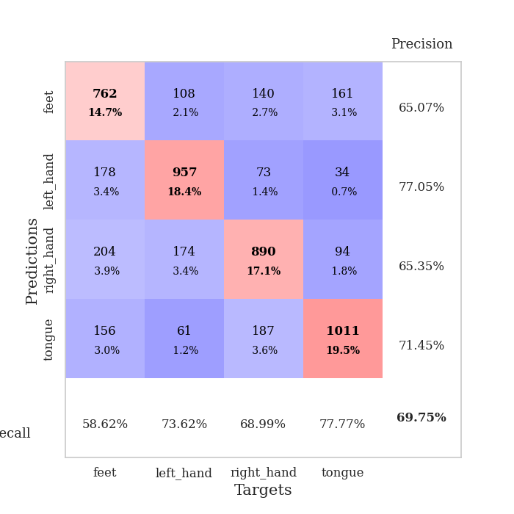

best_val_acc | best_val_los | best_test_acc
0.68208092486 | 0.89676593563 | 0.49879401833
0.71290944123 | 0.88182824551 | 0.6020260492
0.7302504817 | 0.78045738938 | 0.60492040521
0.7302504817 | 0.74597452486 | 0.55041003377
0.69942196532 | 0.89137137625 | 0.55475156778
0.6859344894 | 0.86667955278 | 0.56970574047
0.67244701349 | 0.89014523751 | 0.57887120116
0.68786127168 | 0.84963519265 | 0.56150506512
0.66281310212 | 0.93650951666 | 0.58851905451
0.71098265896 | 0.84807871095 | 0.55716353111

Mean,std Val accuracy is 0.697495183044316 , 0.02324593586493751 and mean, std test accuracy is 0.5666666666666667 , 0.03069426970568397

Sheet1
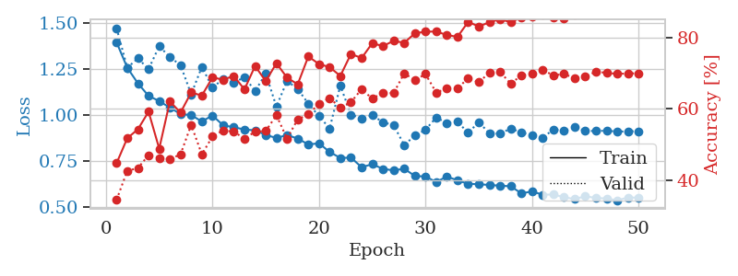
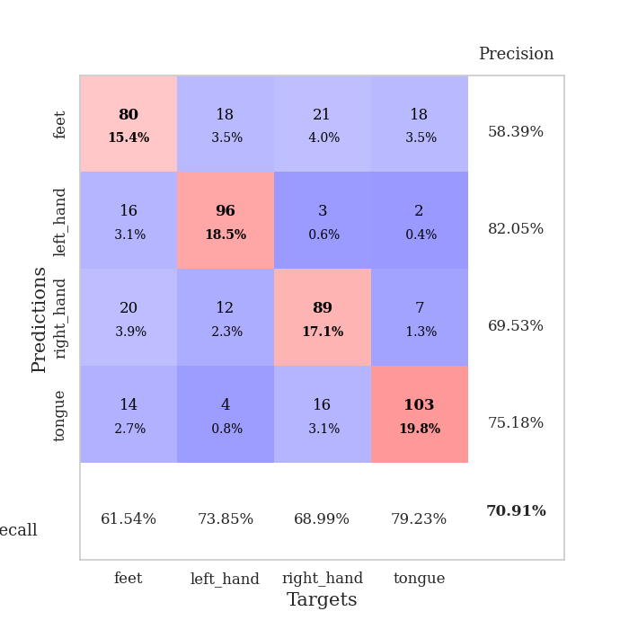
train_loss | valid_loss | train_accuracy | valid_accuracy | dur | train_misclass | valid_misclass
1.4196904397 | 1.5419440998 | 0.36342592593 | 0.34104046243 | 1.346694231 | 36.342592593 | 34.104046243
1.2972916284 | 1.1944439379 | 0.43672839506 | 0.5472061657 | 1.2269177437 | 43.672839506 | 54.72061657
1.1976570796 | 1.0702075494 | 0.53240740741 | 0.53757225434 | 1.2720131874 | 53.240740741 | 53.757225434
1.170348744 | 1.1524581569 | 0.53665123457 | 0.54527938343 | 1.2582998276 | 53.665123457 | 54.527938343
1.154722964 | 0.96455338672 | 0.56790123457 | 0.62427745665 | 1.2754802704 | 56.790123457 | 62.427745665
1.1328882678 | 1.0091150373 | 0.5625 | 0.58959537572 | 1.2588317394 | 56.25 | 58.959537572
1.1143184989 | 1.0217551406 | 0.60223765432 | 0.62620423892 | 1.2285871506 | 60.223765432 | 62.620423892
1.1045555281 | 0.94516319737 | 0.58680555556 | 0.60886319846 | 1.2022078037 | 58.680555556 | 60.886319846
1.1071896597 | 1.0563440525 | 0.6037808642 | 0.63198458574 | 1.1987724304 | 60.37808642 | 63.198458574
1.0811497179 | 1.0682678406 | 0.61072530864 | 0.57418111753 | 1.1974015236 | 61.072530864 | 57.418111753
1.0741873192 | 0.90054652594 | 0.63155864198 | 0.65317919075 | 1.2345135212 | 63.155864198 | 65.317919075
1.0828239679 | 0.86101660885 | 0.60223765432 | 0.65125240848 | 1.1989672184 | 60.223765432 | 65.125240848
1.036671729 | 0.90363380055 | 0.65277777778 | 0.67052023121 | 1.1985602379 | 65.277777778 | 67.052023121
1.0471208026 | 0.8954321231 | 0.5837191358 | 0.65125240848 | 1.2015762329 | 58.37191358 | 65.125240848
1.0206838784 | 0.93675193644 | 0.64313271605 | 0.64354527938 | 1.2489459515 | 64.313271605 | 64.354527938
1.0122814701 | 1.0040925018 | 0.59567901235 | 0.60308285164 | 1.1979546547 | 59.567901235 | 60.308285164
1.0083401314 | 1.0046221728 | 0.60185185185 | 0.62427745665 | 1.1941485405 | 60.185185185 | 62.427745665
0.99252685684 | 0.98479657561 | 0.6462191358 | 0.66281310212 | 1.2379510403 | 64.62191358 | 66.281310212
0.97853094615 | 0.89669345782 | 0.6037808642 | 0.68015414258 | 1.1799333096 | 60.37808642 | 68.015414258
0.96880613359 | 1.0038134811 | 0.65740740741 | 0.62235067437 | 1.2179174423 | 65.740740741 | 62.235067437
0.96538934608 | 0.91478288266 | 0.68634259259 | 0.66859344894 | 1.2449574471 | 68.634259259 | 66.859344894
0.94089578258 | 0.99502292999 | 0.63040123457 | 0.6493256262 | 1.2652115822 | 63.040123457 | 64.93256262
0.94181648596 | 0.93313269165 | 0.65470679012 | 0.64354527938 | 1.2168033123 | 65.470679012 | 64.354527938
0.94006759572 | 1.0751058883 | 0.64544753086 | 0.56840077071 | 1.2010507584 | 64.544753086 | 56.840077071
0.92630393159 | 0.96415025582 | 0.58179012346 | 0.66473988439 | 1.1402955055 | 58.179012346 | 66.473988439
0.89840679331 | 0.88641791789 | 0.7025462963 | 0.65895953757 | 1.1496624947 | 70.25462963 | 65.895953757
0.91069883568 | 1.1298913129 | 0.59953703704 | 0.57803468208 | 1.1429104805 | 59.953703704 | 57.803468208
0.88324319691 | 0.83920375644 | 0.69945987654 | 0.6936416185 | 1.1115734577 | 69.945987654 | 69.36416185
0.8787238206 | 0.8995771825 | 0.68711419753 | 0.64161849711 | 1.1011343002 | 68.711419753 | 64.161849711
0.89845009001 | 0.82310425667 | 0.68402777778 | 0.69556840077 | 1.1371724606 | 68.402777778 | 69.556840077
0.85925428919 | 0.95049101287 | 0.72685185185 | 0.63198458574 | 1.1933488846 | 72.685185185 | 63.198458574
0.85012269351 | 0.85245362309 | 0.7237654321 | 0.69171483622 | 1.1166250706 | 72.37654321 | 69.171483622
0.83793020745 | 0.8919944808 | 0.73533950617 | 0.6936416185 | 1.131844759 | 73.533950617 | 69.36416185
0.84241599709 | 0.90426935511 | 0.73958333333 | 0.66666666667 | 1.1268634796 | 73.958333333 | 66.666666667
0.83285751093 | 0.86390577529 | 0.75270061728 | 0.69556840077 | 1.1919603348 | 75.270061728 | 69.556840077
0.81048749571 | 0.995012205 | 0.65393518519 | 0.62813102119 | 1.2918715477 | 65.393518519 | 62.813102119
0.79044543961 | 0.86230021279 | 0.77044753086 | 0.70520231214 | 1.3014776707 | 77.044753086 | 70.520231214
0.82056437194 | 0.87356572826 | 0.74961419753 | 0.6859344894 | 1.2901182175 | 74.961419753 | 68.59344894
0.78519769602 | 0.85878549031 | 0.75925925926 | 0.69942196532 | 1.5318405628 | 75.925925926 | 69.942196532
0.77803642459 | 0.84163978679 | 0.77970679012 | 0.70327552987 | 1.3394854069 | 77.970679012 | 70.327552987
0.77215841578 | 0.84383421654 | 0.77854938272 | 0.70327552987 | 1.3099584579 | 77.854938272 | 70.327552987
0.77986380642 | 0.82900202033 | 0.78433641975 | 0.71098265896 | 1.3632073402 | 78.433641975 | 71.098265896
0.76821205664 | 0.84018951046 | 0.7862654321 | 0.71098265896 | 1.3109922409 | 78.62654321 | 71.098265896
0.75923608832 | 0.83345837928 | 0.79050925926 | 0.72447013487 | 1.3083100319 | 79.050925926 | 72.447013487
0.76364816854 | 0.84253384509 | 0.78665123457 | 0.71098265896 | 1.3382456303 | 78.665123457 | 71.098265896
0.72596060751 | 0.83285876609 | 0.7912808642 | 0.70712909441 | 1.2763795853 | 79.12808642 | 70.712909441
0.752045347 | 0.8399612257 | 0.78973765432 | 0.71290944123 | 1.2769896984 | 78.973765432 | 71.290944123
0.750839807 | 0.84449378018 | 0.79012345679 | 0.71676300578 | 1.2792892456 | 79.012345679 | 71.676300578
0.76471254561 | 0.84549459775 | 0.78973765432 | 0.71676300578 | 1.3058893681 | 78.973765432 | 71.676300578
0.74455496614 | 0.84639512195 | 0.79012345679 | 0.71868978805 | 1.3153684139 | 79.012345679 | 71.868978805

Best Val accuracy is 0.7244701348747592 and Best test accuracy is 0.36131210805595754
train_loss | valid_loss | train_accuracy | valid_accuracy | dur | train_misclass | valid_misclass
1.4107085989 | 1.4340835092 | 0.40625 | 0.39691714836 | 1.3158679008 | 40.625 | 39.691714836
1.2984786081 | 1.2842989002 | 0.45640432099 | 0.42967244701 | 1.1633148193 | 45.640432099 | 42.967244701
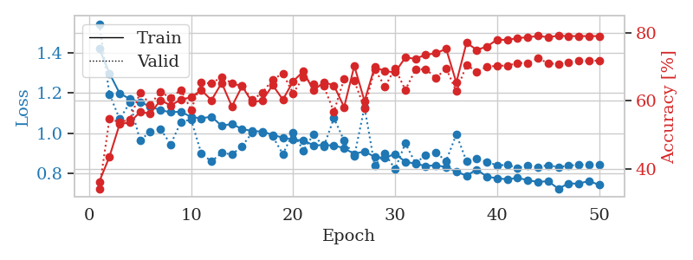
1.2451490156 | 1.0623849579 | 0.45447530864 | 0.54913294798 | 1.1617610455 | 45.447530864 | 54.913294798
1.1937176313 | 1.2017140191 | 0.50192901235 | 0.52215799615 | 1.1431143284 | 50.192901235 | 52.215799615
1.1618558511 | 1.0025016161 | 0.54282407407 | 0.57418111753 | 1.1553993225 | 54.282407407 | 57.418111753
1.1345917557 | 1.0023812138 | 0.54783950617 | 0.61078998073 | 1.1437880993 | 54.783950617 | 61.078998073
1.1336469374 | 1.0105804949 | 0.59529320988 | 0.591522158 | 1.1387732029 | 59.529320988 | 59.1522158
1.1084088282 | 1.064703684 | 0.57407407407 | 0.60308285164 | 1.1440882683 | 57.407407407 | 60.308285164
1.097385345 | 1.0272842568 | 0.59529320988 | 0.57803468208 | 1.1416027546 | 59.529320988 | 57.803468208
1.0721515152 | 0.98525913878 | 0.56828703704 | 0.64739884393 | 1.1549649239 | 56.828703704 | 64.739884393
1.0629355396 | 1.224098104 | 0.51273148148 | 0.50674373796 | 1.1556293964 | 51.273148148 | 50.674373796
1.0679345205 | 1.3262403363 | 0.51967592593 | 0.47591522158 | 1.1524479389 | 51.967592593 | 47.591522158
1.0586034946 | 1.0336118686 | 0.63194444444 | 0.5838150289 | 1.1480960846 | 63.194444444 | 58.38150289
1.0522503146 | 1.0324538611 | 0.61882716049 | 0.57225433526 | 1.3342368603 | 61.882716049 | 57.225433526
1.0248107229 | 1.0898887332 | 0.59567901235 | 0.57610789981 | 1.3328504562 | 59.567901235 | 57.610789981
1.0331924896 | 0.95959019684 | 0.60455246914 | 0.64354527938 | 1.2741289139 | 60.455246914 | 64.354527938
1.0101240921 | 0.94293305318 | 0.63541666667 | 0.64161849711 | 1.302075386 | 63.541666667 | 64.161849711
0.9860454715 | 0.90725123744 | 0.61149691358 | 0.6493256262 | 1.3186142445 | 61.149691358 | 64.93256262
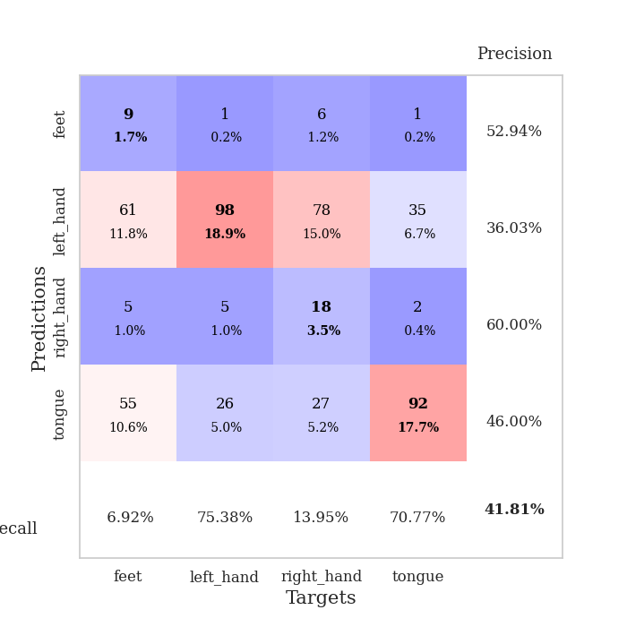
1.0005766874 | 1.0581598532 | 0.62345679012 | 0.56454720617 | 1.2843794823 | 62.345679012 | 56.454720617
0.986751141 | 0.95939158337 | 0.65084876543 | 0.62620423892 | 1.3137922287 | 65.084876543 | 62.620423892
0.9530686118 | 1.1923933139 | 0.54513888889 | 0.55298651252 | 1.2464272976 | 54.513888889 | 55.298651252
0.9700844126 | 1.015528875 | 0.61304012346 | 0.61271676301 | 1.3162062168 | 61.304012346 | 61.271676301
0.9717188231 | 0.89676593563 | 0.66319444444 | 0.68208092486 | 1.2932481766 | 66.319444444 | 68.208092486
0.94257315736 | 1.0023790286 | 0.65200617284 | 0.65510597303 | 1.2367272377 | 65.200617284 | 65.510597303
0.94668719264 | 0.95179834026 | 0.69328703704 | 0.6493256262 | 1.2627763748 | 69.328703704 | 64.93256262
0.91879236422 | 0.95486917006 | 0.66010802469 | 0.65125240848 | 1.2276580334 | 66.010802469 | 65.125240848
0.92227396829 | 0.93560604599 | 0.70717592593 | 0.6493256262 | 1.2361578941 | 70.717592593 | 64.93256262
0.91277445834 | 1.0260465783 | 0.69598765432 | 0.65317919075 | 1.236877203 | 69.598765432 | 65.317919075
0.88551508884 | 0.91355170519 | 0.69984567901 | 0.66281310212 | 1.3038361073 | 69.984567901 | 66.281310212
0.8815688627 | 0.92886145048 | 0.68595679012 | 0.65317919075 | 1.3109903336 | 68.595679012 | 65.317919075
0.86945445744 | 0.99799908632 | 0.69830246914 | 0.61849710983 | 1.3392281532 | 69.830246914 | 61.849710983
0.85311335031 | 1.0004799639 | 0.69135802469 | 0.64739884393 | 1.3000910282 | 69.135802469 | 64.739884393
0.82143799685 | 1.0540074269 | 0.70486111111 | 0.59730250482 | 1.2519798279 | 70.486111111 | 59.730250482
0.82403596353 | 0.97749602772 | 0.74266975309 | 0.63776493256 | 1.2833893299 | 74.266975309 | 63.776493256
0.81739037456 | 0.9955598426 | 0.7650462963 | 0.63776493256 | 1.2919735909 | 76.50462963 | 63.776493256
0.80177980753 | 1.0454290226 | 0.69637345679 | 0.61271676301 | 1.2399761677 | 69.637345679 | 61.271676301
0.80050349456 | 0.92864821343 | 0.77816358025 | 0.66473988439 | 1.2441344261 | 77.816358025 | 66.473988439
0.77823370033 | 0.96683475278 | 0.78047839506 | 0.66281310212 | 1.2560434341 | 78.047839506 | 66.281310212
0.78285832538 | 0.97784252709 | 0.78202160494 | 0.66281310212 | 1.2632212639 | 78.202160494 | 66.281310212
0.75905254189 | 1.1275914039 | 0.76080246914 | 0.59344894027 | 1.2777991295 | 76.080246914 | 59.344894027
0.76419686958 | 1.0343109388 | 0.76890432099 | 0.65125240848 | 1.2802658081 | 76.890432099 | 65.125240848
0.76147268142 | 0.98801873897 | 0.7862654321 | 0.66666666667 | 1.2989544868 | 78.62654321 | 66.666666667
0.76183576128 | 1.0419063782 | 0.77391975309 | 0.63198458574 | 1.3316912651 | 77.391975309 | 63.198458574
0.73367500765 | 0.97379754332 | 0.79783950617 | 0.65895953757 | 1.316157341 | 79.783950617 | 65.895953757
0.72881652176 | 0.97769471343 | 0.79861111111 | 0.67630057803 | 1.2851986885 | 79.861111111 | 67.630057803
0.71861111124 | 0.9887659134 | 0.80439814815 | 0.65317919075 | 1.3320941925 | 80.439814815 | 65.317919075
0.73974462681 | 0.99861319929 | 0.80208333333 | 0.65510597303 | 1.3588824272 | 80.208333333 | 65.510597303
0.7303305042 | 0.99641048058 | 0.80092592593 | 0.65510597303 | 1.3130934238 | 80.092592593 | 65.510597303
0.72410631566 | 0.9978286508 | 0.8013117284 | 0.65510597303 | 1.2924897671 | 80.13117284 | 65.510597303
0.73377204346 | 0.9938034189 | 0.80285493827 | 0.65510597303 | 1.2861747742 | 80.285493827 | 65.510597303

Best Val accuracy is 0.6820809248554913 and Best test accuracy is 0.49879401833092135

Sheet2
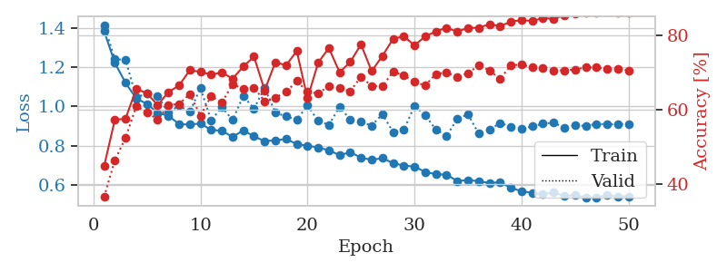
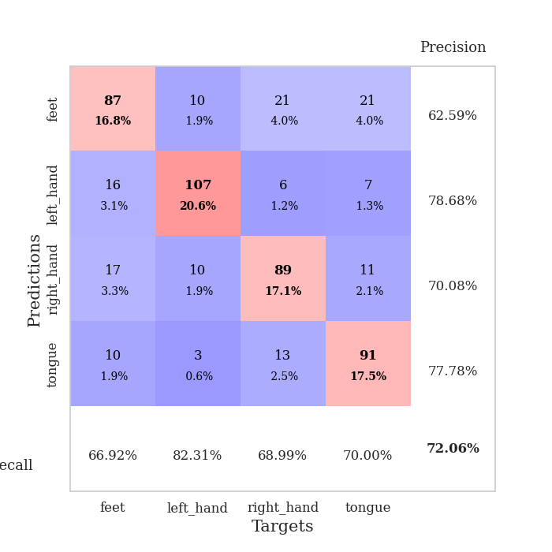
train_loss | valid_loss | train_accuracy | valid_accuracy | dur | train_misclass | valid_misclass
1.4249718211 | 1.4295478347 | 0.4012345679 | 0.40077071291 | 1.2668471336 | 40.12345679 | 40.077071291
1.2983246549 | 1.2609023994 | 0.47222222222 | 0.44315992293 | 1.3424155712 | 47.222222222 | 44.315992293
1.2551482603 | 1.3241479964 | 0.46527777778 | 0.44123314066 | 1.30945611 | 46.527777778 | 44.123314066
1.2155566149 | 1.098565081 | 0.5111882716 | 0.5472061657 | 1.2840385437 | 51.11882716 | 54.72061657
1.1671427415 | 1.0214158012 | 0.5412808642 | 0.59730250482 | 1.2756886482 | 54.12808642 | 59.730250482
1.1345579142 | 1.1080091149 | 0.59104938272 | 0.61657032755 | 1.3207330704 | 59.104938272 | 61.657032755
1.1214293168 | 1.1260519443 | 0.53125 | 0.57418111753 | 1.3148620129 | 53.125 | 57.418111753
1.1181636357 | 0.96715559964 | 0.5513117284 | 0.57610789981 | 1.320348978 | 55.13117284 | 57.610789981
1.0832132322 | 0.94387464728 | 0.5524691358 | 0.61464354528 | 1.3070812225 | 55.24691358 | 61.464354528
1.0725995 | 1.4584263065 | 0.47492283951 | 0.49518304432 | 1.3256192207 | 47.492283951 | 49.518304432
1.0517708865 | 1.0893813875 | 0.60956790123 | 0.56454720617 | 1.2804524899 | 60.956790123 | 56.454720617
1.0453900132 | 0.91683722943 | 0.62075617284 | 0.61078998073 | 1.3145611286 | 62.075617284 | 61.078998073
1.0553322876 | 0.94783964575 | 0.64158950617 | 0.63776493256 | 1.2928526402 | 64.158950617 | 63.776493256
1.0204907825 | 0.93905324697 | 0.61342592593 | 0.63776493256 | 1.2816662788 | 61.342592593 | 63.776493256
1.015838293 | 1.0050865127 | 0.63966049383 | 0.60500963391 | 1.290396452 | 63.966049383 | 60.500963391
0.99935842112 | 0.92016920488 | 0.62307098765 | 0.63776493256 | 1.2932958603 | 62.307098765 | 63.776493256
0.9983302903 | 0.99632561437 | 0.65625 | 0.63005780347 | 1.3185799122 | 65.625 | 63.005780347
0.99940019368 | 0.86890610243 | 0.66280864198 | 0.66088631985 | 1.298624754 | 66.280864198 | 66.088631985
1.0010951814 | 0.94874790477 | 0.65586419753 | 0.65317919075 | 1.3109884262 | 65.586419753 | 65.317919075
0.98518758534 | 0.93674067748 | 0.64853395062 | 0.63391136802 | 1.2763204575 | 64.853395062 | 63.391136802
0.98111032115 | 0.91915890224 | 0.65625 | 0.63776493256 | 1.2948081493 | 65.625 | 63.776493256
0.98017559596 | 0.90804821609 | 0.66358024691 | 0.65510597303 | 1.272342205 | 66.358024691 | 65.510597303
0.95541748552 | 0.92893261992 | 0.63233024691 | 0.63005780347 | 1.2537984848 | 63.233024691 | 63.005780347
0.9397575778 | 0.95881542018 | 0.6674382716 | 0.63583815029 | 1.3053479195 | 66.74382716 | 63.583815029
0.92676870359 | 0.93394266698 | 0.69367283951 | 0.63198458574 | 1.2916331291 | 69.367283951 | 63.198458574
0.92615652158 | 0.89371675976 | 0.71836419753 | 0.6570327553 | 1.2690558434 | 71.836419753 | 65.70327553
0.90674326247 | 0.89815186512 | 0.72646604938 | 0.66281310212 | 1.2621998787 | 72.646604938 | 66.281310212
0.90434747438 | 0.94920932282 | 0.68595679012 | 0.63005780347 | 1.2997207642 | 68.595679012 | 63.005780347
0.87834003494 | 0.93897299385 | 0.73070987654 | 0.63005780347 | 1.2928934097 | 73.070987654 | 63.005780347
0.87490945539 | 0.9728480125 | 0.66049382716 | 0.6493256262 | 1.3480215073 | 66.049382716 | 64.93256262
0.87572197543 | 1.0233818743 | 0.72260802469 | 0.62235067437 | 1.3467395306 | 72.260802469 | 62.235067437
0.84414143658 | 0.90895015817 | 0.75771604938 | 0.67052023121 | 1.347127676 | 75.771604938 | 67.052023121
0.83707407834 | 0.89094495176 | 0.75154320988 | 0.67630057803 | 1.4365551472 | 75.154320988 | 67.630057803
0.82362580575 | 0.92287268919 | 0.74691358025 | 0.67822736031 | 1.2937617302 | 74.691358025 | 67.822736031
0.80261534839 | 0.96632976661 | 0.73726851852 | 0.67244701349 | 1.5119709969 | 73.726851852 | 67.244701349
0.81453462423 | 0.91784215341 | 0.76658950617 | 0.66859344894 | 1.3394417763 | 76.658950617 | 66.859344894
0.78665353615 | 0.92760957987 | 0.78047839506 | 0.68015414258 | 1.2711946964 | 78.047839506 | 68.015414258
0.76386246232 | 0.90725751442 | 0.79012345679 | 0.67437379576 | 1.327265501 | 79.012345679 | 67.437379576
0.75805815318 | 0.91975882885 | 0.78780864198 | 0.67630057803 | 1.5507164001 | 78.780864198 | 67.630057803
0.78139926953 | 0.93118491935 | 0.78163580247 | 0.68978805395 | 1.256799221 | 78.163580247 | 68.978805395
0.76205075762 | 0.90918119748 | 0.78935185185 | 0.68015414258 | 1.278491497 | 78.935185185 | 68.015414258
0.74029435751 | 0.90063775665 | 0.78549382716 | 0.68208092486 | 1.2751054764 | 78.549382716 | 68.208092486
0.75532447979 | 0.90164255545 | 0.7862654321 | 0.68786127168 | 1.2590982914 | 78.62654321 | 68.786127168
0.73204125648 | 0.90014133357 | 0.78973765432 | 0.68978805395 | 1.2574307919 | 78.973765432 | 68.978805395
0.74766973986 | 0.90040634225 | 0.79706790123 | 0.68786127168 | 1.3272633553 | 79.706790123 | 68.786127168
0.72750531652 | 0.91621871583 | 0.79282407407 | 0.68400770713 | 1.3646054268 | 79.282407407 | 68.400770713
0.73092442144 | 0.9118224766 | 0.79552469136 | 0.68208092486 | 1.3474171162 | 79.552469136 | 68.208092486
0.71055903626 | 0.91388447781 | 0.79552469136 | 0.68978805395 | 1.3358576298 | 79.552469136 | 68.978805395
0.73325923895 | 0.91032506896 | 0.7962962963 | 0.68400770713 | 1.2955312729 | 79.62962963 | 68.400770713
0.72641054109 | 0.91253828336 | 0.7974537037 | 0.6859344894 | 1.5779559612 | 79.74537037 | 68.59344894

Best Val accuracy is 0.6897880539499036 and Best test accuracy is 0.31693198263386396
train_loss | valid_loss | train_accuracy | valid_accuracy | dur | train_misclass | valid_misclass
1.4256983569 | 1.4676772131 | 0.3275462963 | 0.34104046243 | 1.458271265 | 32.75462963 | 34.104046243
1.3324288858 | 1.3108596163 | 0.47106481481 | 0.45857418112 | 1.2902505398 | 47.106481481 | 45.857418112
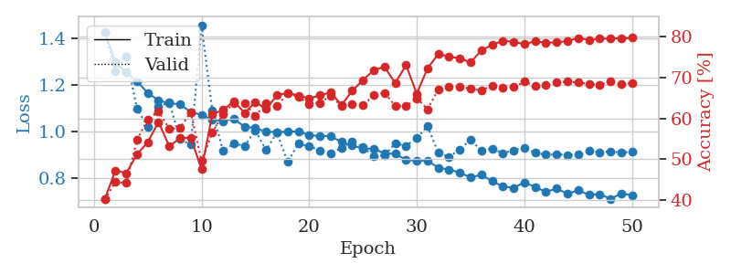
1.2395282763 | 1.2790726281 | 0.4849537037 | 0.46628131021 | 1.2909417152 | 48.49537037 | 46.628131021
1.2054381897 | 1.1992350348 | 0.5050154321 | 0.50289017341 | 1.3094902039 | 50.50154321 | 50.289017341
1.1840894605 | 1.0822470631 | 0.53202160494 | 0.52793834297 | 1.3166062832 | 53.202160494 | 52.793834297
1.1499110596 | 1.4967297598 | 0.48958333333 | 0.52215799615 | 1.2862844467 | 48.958333333 | 52.215799615
1.1379142087 | 1.2684391124 | 0.47222222222 | 0.50674373796 | 1.2861127853 | 47.222222222 | 50.674373796
1.0984307601 | 1.062029014 | 0.5787037037 | 0.58766859345 | 1.3272924423 | 57.87037037 | 58.766859345
1.0984282733 | 1.0014196683 | 0.59182098765 | 0.58188824663 | 1.2856321335 | 59.182098765 | 58.188824663
1.0892264262 | 1.0895387628 | 0.59104938272 | 0.59344894027 | 1.3147850037 | 59.104938272 | 59.344894027
1.0716324971 | 1.1181149625 | 0.5987654321 | 0.57032755299 | 1.3055496216 | 59.87654321 | 57.032755299
1.0701081819 | 0.94253841439 | 0.61612654321 | 0.6493256262 | 1.2815961838 | 61.612654321 | 64.93256262
1.026750555 | 1.0608966539 | 0.6138117284 | 0.56840077071 | 1.3000919819 | 61.38117284 | 56.840077071
1.0476993032 | 0.98190061688 | 0.63811728395 | 0.60693641618 | 1.274569273 | 63.811728395 | 60.693641618
1.0415935171 | 0.97137748529 | 0.61651234568 | 0.61657032755 | 1.3015642166 | 61.651234568 | 61.657032755
1.0190597725 | 0.97186852971 | 0.61419753086 | 0.61464354528 | 1.2856464386 | 61.419753086 | 61.464354528
1.0036761746 | 1.0088337396 | 0.63194444444 | 0.62813102119 | 1.2959926128 | 63.194444444 | 62.813102119
0.98632018397 | 1.0280023802 | 0.65509259259 | 0.60115606936 | 1.2791252136 | 65.509259259 | 60.115606936
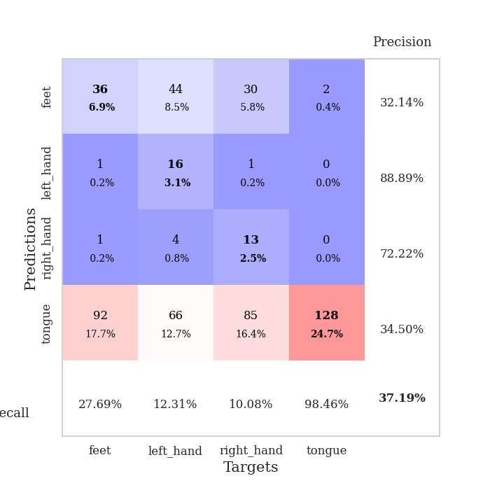
0.98471541077 | 1.1112548623 | 0.63734567901 | 0.60308285164 | 1.2767281532 | 63.734567901 | 60.308285164
0.97701766866 | 0.93485826128 | 0.66936728395 | 0.63776493256 | 1.294110775 | 66.936728395 | 63.776493256
0.95243959331 | 0.96860486648 | 0.61149691358 | 0.62620423892 | 1.3066766262 | 61.149691358 | 62.620423892
0.96322172365 | 1.0230587493 | 0.66898148148 | 0.64354527938 | 1.3176643848 | 66.898148148 | 64.354527938
0.96291080853 | 0.94862778913 | 0.65200617284 | 0.63391136802 | 1.3206543922 | 65.200617284 | 63.391136802
0.94226953534 | 1.0664181744 | 0.68016975309 | 0.60693641618 | 1.2844996452 | 68.016975309 | 60.693641618
0.90198599409 | 1.063535663 | 0.68441358025 | 0.591522158 | 1.3332836628 | 68.441358025 | 59.1522158
0.90874861034 | 1.012908354 | 0.73186728395 | 0.62620423892 | 1.3561880589 | 73.186728395 | 62.620423892
0.90321588112 | 0.97982331565 | 0.70216049383 | 0.62235067437 | 1.3700957298 | 70.216049383 | 62.235067437
0.88745341662 | 0.9796272514 | 0.69945987654 | 0.62427745665 | 1.286039114 | 69.945987654 | 62.427745665
0.88729214576 | 0.93198594686 | 0.70138888889 | 0.65125240848 | 1.3054549694 | 70.138888889 | 65.125240848
0.85107017502 | 0.91086308276 | 0.71566358025 | 0.66473988439 | 1.2803709507 | 71.566358025 | 66.473988439
0.87566934986 | 1.0386279086 | 0.73070987654 | 0.61271676301 | 1.2792429924 | 73.070987654 | 61.271676301
0.83378064688 | 0.97180239825 | 0.74305555556 | 0.64547206166 | 1.2646501064 | 74.305555556 | 64.547206166
0.80259716161 | 0.99330582382 | 0.75347222222 | 0.66473988439 | 1.2581267357 | 75.347222222 | 66.473988439
0.8065602038 | 0.95723678364 | 0.77700617284 | 0.6570327553 | 1.2947084904 | 77.700617284 | 65.70327553
0.78666053032 | 0.9945832762 | 0.76195987654 | 0.63776493256 | 1.3022978306 | 76.195987654 | 63.776493256
0.7791069735 | 0.9799084769 | 0.76157407407 | 0.66859344894 | 1.3092782497 | 76.157407407 | 66.859344894
0.78017974912 | 0.93981828522 | 0.76736111111 | 0.67437379576 | 1.279971838 | 76.736111111 | 67.437379576
0.76658016977 | 0.91948819448 | 0.77430555556 | 0.66859344894 | 1.3167591095 | 77.430555556 | 66.859344894
0.7490279853 | 0.88670799877 | 0.7962962963 | 0.68786127168 | 1.3208031654 | 79.62962963 | 68.786127168
0.73929551722 | 0.93529701198 | 0.77469135802 | 0.68786127168 | 1.2991912365 | 77.469135802 | 68.786127168
0.74848965601 | 0.88848107008 | 0.80864197531 | 0.6859344894 | 1.3207681179 | 80.864197531 | 68.59344894
0.72499605314 | 0.92095241955 | 0.78858024691 | 0.69171483622 | 1.285384655 | 78.858024691 | 69.171483622
0.7271052128 | 0.89816958585 | 0.81018518519 | 0.70134874759 | 1.2959313393 | 81.018518519 | 70.134874759
0.70969256648 | 0.89152808835 | 0.81134259259 | 0.71290944123 | 1.3394656181 | 81.134259259 | 71.290944123
0.70879460926 | 0.88182824551 | 0.80709876543 | 0.70520231214 | 1.3013701439 | 80.709876543 | 70.520231214
0.69911213863 | 0.88860229019 | 0.81520061728 | 0.70327552987 | 1.3192448616 | 81.520061728 | 70.327552987
0.69379529927 | 0.88443224623 | 0.81442901235 | 0.70712909441 | 1.3844051361 | 81.442901235 | 70.712909441
0.70478536593 | 0.88467927533 | 0.81597222222 | 0.71098265896 | 1.3489997387 | 81.597222222 | 71.098265896
0.68982385835 | 0.88567759938 | 0.81712962963 | 0.70905587669 | 1.3059940338 | 81.712962963 | 70.905587669
0.70139060473 | 0.88638072322 | 0.81597222222 | 0.70905587669 | 1.3142244816 | 81.597222222 | 70.905587669

Best Val accuracy is 0.7129094412331407 and Best test accuracy is 0.6020260492040521

Sheet3
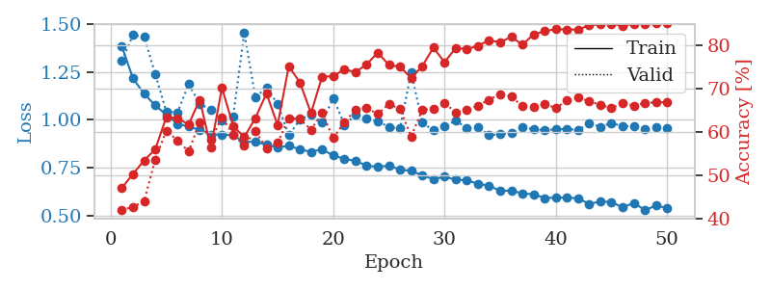
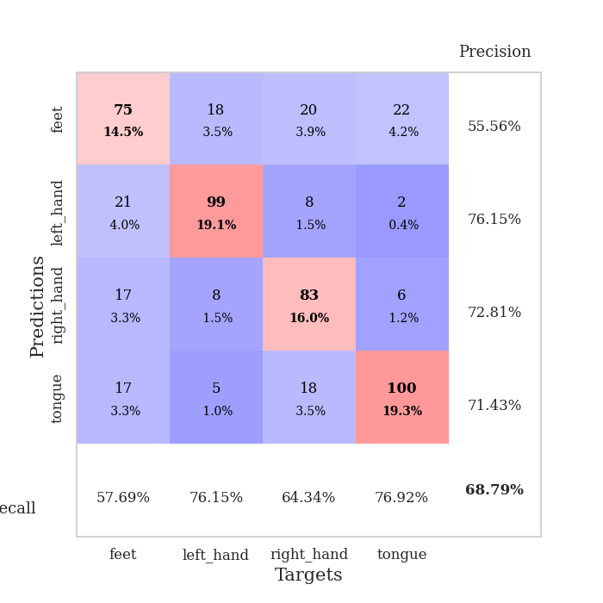
train_loss | valid_loss | train_accuracy | valid_accuracy | dur | train_misclass | valid_misclass
1.4157088046 | 1.4409620277 | 0.37847222222 | 0.35452793834 | 2.3097193241 | 37.847222222 | 35.452793834
1.3222301014 | 1.3615627872 | 0.43557098765 | 0.39884393064 | 2.3232648373 | 43.557098765 | 39.884393064
1.2736267017 | 1.2644817616 | 0.45640432099 | 0.43930635838 | 2.2185664177 | 45.640432099 | 43.930635838
1.2309294781 | 1.3447895457 | 0.44675925926 | 0.42967244701 | 2.0949249268 | 44.675925926 | 42.967244701
1.2033870746 | 1.288348481 | 0.46064814815 | 0.40462427746 | 2.0832636356 | 46.064814815 | 40.462427746
1.1910359035 | 1.1514461419 | 0.50424382716 | 0.46820809249 | 2.2452175617 | 50.424382716 | 46.820809249
1.149113307 | 1.0714913626 | 0.52584876543 | 0.55876685934 | 2.231317997 | 52.584876543 | 55.876685934
1.1148637552 | 0.9788858724 | 0.58989197531 | 0.6204238921 | 2.2133536339 | 58.989197531 | 62.04238921
1.0990757 | 1.0443836749 | 0.57908950617 | 0.59922928709 | 2.1977021694 | 57.908950617 | 59.922928709
1.0860883903 | 1.1158698272 | 0.5736882716 | 0.57803468208 | 2.2426137924 | 57.36882716 | 57.803468208
1.0688629651 | 1.0542691492 | 0.56597222222 | 0.57032755299 | 2.2494268417 | 56.597222222 | 57.032755299
1.0584225162 | 0.99750316717 | 0.6350308642 | 0.61271676301 | 2.2496645451 | 63.50308642 | 61.271676301
1.0486544198 | 1.0402432596 | 0.62384259259 | 0.58188824663 | 2.2318990231 | 62.384259259 | 58.188824663
1.0154224469 | 0.99404574692 | 0.63310185185 | 0.63391136802 | 2.1993196011 | 63.310185185 | 63.391136802
1.0059475833 | 1.2595153863 | 0.57947530864 | 0.57610789981 | 2.2079792023 | 57.947530864 | 57.610789981
1.0117455202 | 1.0591217441 | 0.60532407407 | 0.61078998073 | 2.2238502502 | 60.532407407 | 61.078998073
1.0083323816 | 0.99035453819 | 0.59683641975 | 0.63005780347 | 2.2296504974 | 59.683641975 | 63.005780347
1.0231961829 | 1.0058678632 | 0.64969135802 | 0.60886319846 | 2.1847629547 | 64.969135802 | 60.886319846
0.99162925357 | 0.98103827399 | 0.66782407407 | 0.6204238921 | 2.1392979622 | 66.782407407 | 62.04238921
0.97943516903 | 0.92949991166 | 0.6763117284 | 0.63776493256 | 2.1590671539 | 67.63117284 | 63.776493256
0.97945753329 | 0.99575048651 | 0.62770061728 | 0.62235067437 | 2.1264734268 | 62.770061728 | 62.235067437
0.94680360659 | 1.0426068393 | 0.6662808642 | 0.62235067437 | 2.1546087265 | 66.62808642 | 62.235067437
0.96222611416 | 0.91302000626 | 0.66049382716 | 0.63969171484 | 2.1006062031 | 66.049382716 | 63.969171484
0.94195227196 | 0.94529324081 | 0.67476851852 | 0.63198458574 | 1.9867863655 | 67.476851852 | 63.198458574
0.92313846799 | 0.95914489088 | 0.69791666667 | 0.62620423892 | 2.2005558014 | 69.791666667 | 62.620423892
0.90983486212 | 1.0451026265 | 0.67785493827 | 0.63776493256 | 2.2080519199 | 67.785493827 | 63.776493256
0.9131836262 | 0.96823557896 | 0.69328703704 | 0.64161849711 | 2.2028384209 | 69.328703704 | 64.161849711
0.89767593035 | 1.0425933939 | 0.71489197531 | 0.59922928709 | 2.1580481529 | 71.489197531 | 59.922928709
0.87717001379 | 1.0724689977 | 0.69174382716 | 0.59922928709 | 1.7228777409 | 69.174382716 | 59.922928709
0.86788843591 | 1.0812384221 | 0.67515432099 | 0.61849710983 | 2.2695391178 | 67.515432099 | 61.849710983
0.86832621013 | 1.0065295161 | 0.73109567901 | 0.63583815029 | 2.2509078979 | 73.109567901 | 63.583815029
0.83157899608 | 1.0587804922 | 0.74845679012 | 0.61078998073 | 2.2414939404 | 74.845679012 | 61.078998073
0.85928807196 | 0.99670459723 | 0.76350308642 | 0.63391136802 | 2.5237100124 | 76.350308642 | 63.391136802
0.81140417155 | 1.0746343639 | 0.75154320988 | 0.61271676301 | 2.8167791367 | 75.154320988 | 61.271676301
0.79744054506 | 1.0129745636 | 0.77430555556 | 0.64161849711 | 3.4825160503 | 77.430555556 | 64.161849711
0.80308236715 | 1.0419836097 | 0.7600308642 | 0.60886319846 | 3.4803652763 | 76.00308642 | 60.886319846
0.79541831289 | 1.0050371 | 0.76041666667 | 0.64161849711 | 3.3698344231 | 76.041666667 | 64.161849711
0.80305314174 | 1.0075477086 | 0.78202160494 | 0.65125240848 | 2.3646864891 | 78.202160494 | 65.125240848
0.78650148838 | 0.99229011669 | 0.78317901235 | 0.63583815029 | 2.7700953484 | 78.317901235 | 63.583815029
0.76645654403 | 1.0004660206 | 0.79668209877 | 0.63969171484 | 3.5294604301 | 79.668209877 | 63.969171484
0.76320375502 | 1.0281774334 | 0.78742283951 | 0.64161849711 | 3.5499918461 | 78.742283951 | 64.161849711
0.76082549014 | 1.0201926872 | 0.78587962963 | 0.6570327553 | 3.5362966061 | 78.587962963 | 65.70327553
0.74190657338 | 1.0276685039 | 0.79822530864 | 0.65125240848 | 2.6704316139 | 79.822530864 | 65.125240848
0.71472192602 | 1.0248709311 | 0.79436728395 | 0.64354527938 | 2.7548558712 | 79.436728395 | 64.354527938
0.74225832669 | 1.0364951736 | 0.79783950617 | 0.64547206166 | 3.5795021057 | 79.783950617 | 64.547206166
0.73577977717 | 1.0171396891 | 0.80015432099 | 0.64547206166 | 3.5746040344 | 80.015432099 | 64.547206166
0.74478861745 | 1.017832726 | 0.80208333333 | 0.64354527938 | 3.9560828209 | 80.208333333 | 64.354527938
0.71346712922 | 1.0173010252 | 0.8013117284 | 0.64739884393 | 4.1795089245 | 80.13117284 | 64.739884393
0.74095879937 | 1.0195801304 | 0.8024691358 | 0.64547206166 | 3.9650924206 | 80.24691358 | 64.547206166
0.73630625359 | 1.0195749461 | 0.80324074074 | 0.64354527938 | 4.6804974079 | 80.324074074 | 64.354527938

Best Val accuracy is 0.6570327552986512 and Best test accuracy is 0.3950795947901592
train_loss | valid_loss | train_accuracy | valid_accuracy | dur | train_misclass | valid_misclass
1.4140361334 | 1.4398127024 | 0.38927469136 | 0.36608863198 | 1.3250060081 | 38.927469136 | 36.608863198
1.2873007604 | 1.284357751 | 0.46682098765 | 0.5183044316 | 1.3023481369 | 46.682098765 | 51.83044316
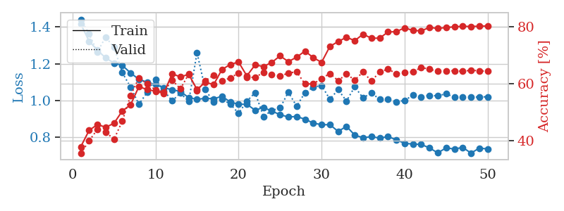
1.2170539822 | 1.0197900611 | 0.50270061728 | 0.56840077071 | 1.2981967926 | 50.270061728 | 56.840077071
1.152417155 | 1.3951048489 | 0.53780864198 | 0.57225433526 | 1.2971789837 | 53.780864198 | 57.225433526
1.1619453853 | 1.0264746971 | 0.5524691358 | 0.57032755299 | 1.2766087055 | 55.24691358 | 57.032755299
1.1324335646 | 1.0213347042 | 0.55902777778 | 0.59344894027 | 1.2394075394 | 55.902777778 | 59.344894027
1.1210060116 | 0.95044277594 | 0.58063271605 | 0.61078998073 | 1.2874584198 | 58.063271605 | 61.078998073
1.1015893037 | 0.90479800949 | 0.53279320988 | 0.64547206166 | 1.2835540771 | 53.279320988 | 64.547206166
1.0913127837 | 0.93246933284 | 0.56172839506 | 0.63198458574 | 1.3189713955 | 56.172839506 | 63.198458574
1.0644740444 | 0.90948337121 | 0.61342592593 | 0.61078998073 | 1.3433120251 | 61.342592593 | 61.078998073
1.0686868238 | 0.91391788673 | 0.61458333333 | 0.6570327553 | 1.3207125664 | 61.458333333 | 65.70327553
1.0428451796 | 0.88202781082 | 0.61033950617 | 0.66859344894 | 1.3035788536 | 61.033950617 | 66.859344894
1.0385868115 | 0.95751377578 | 0.62577160494 | 0.62427745665 | 1.5385768414 | 62.577160494 | 62.427745665
1.0377954083 | 0.9391171381 | 0.60030864198 | 0.62235067437 | 1.3115160465 | 60.030864198 | 62.235067437
1.0359020156 | 1.0785520468 | 0.59567901235 | 0.58766859345 | 1.3324685097 | 59.567901235 | 58.766859345
1.0056602631 | 0.97067366652 | 0.63040123457 | 0.62427745665 | 1.3072628975 | 63.040123457 | 62.427745665
0.9936576309 | 1.0606057907 | 0.64043209877 | 0.62620423892 | 1.3494033813 | 64.043209877 | 62.620423892
1.0080852759 | 0.94632036792 | 0.6412037037 | 0.63391136802 | 1.2925560474 | 64.12037037 | 63.391136802
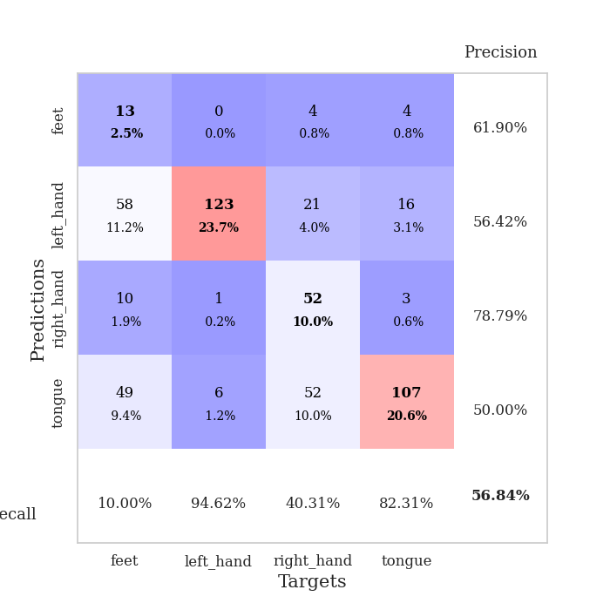
0.99086762137 | 0.95115943233 | 0.66898148148 | 0.62620423892 | 1.297778368 | 66.898148148 | 62.620423892
0.9882517457 | 0.89663582684 | 0.66705246914 | 0.66473988439 | 1.3121576309 | 66.705246914 | 66.473988439
0.96910295847 | 0.89672106941 | 0.67824074074 | 0.67630057803 | 1.3066368103 | 67.824074074 | 67.630057803
0.94524228352 | 0.98971022129 | 0.6037808642 | 0.66666666667 | 1.2824423313 | 60.37808642 | 66.666666667
0.94734936548 | 0.92082570421 | 0.66319444444 | 0.64739884393 | 1.3097372055 | 66.319444444 | 64.739884393
0.92237639593 | 0.95440746835 | 0.65470679012 | 0.66473988439 | 1.2932631969 | 65.470679012 | 66.473988439
0.93577199438 | 0.94477426523 | 0.65200617284 | 0.63583815029 | 1.3043932915 | 65.200617284 | 63.583815029
0.915540679 | 0.94445877682 | 0.69328703704 | 0.65317919075 | 1.2616899014 | 69.328703704 | 65.317919075
0.88670439098 | 0.89501216141 | 0.7025462963 | 0.67822736031 | 1.2670161724 | 70.25462963 | 67.822736031
0.8652235437 | 0.89246935904 | 0.71180555556 | 0.6570327553 | 1.2584705353 | 71.180555556 | 65.70327553
0.87580769316 | 0.82986213999 | 0.73572530864 | 0.71868978805 | 1.3503189087 | 73.572530864 | 71.868978805
0.85353230179 | 0.89075993412 | 0.70910493827 | 0.66473988439 | 1.308331728 | 70.910493827 | 66.473988439
0.87164612666 | 0.8059322478 | 0.70138888889 | 0.71483622351 | 1.287835598 | 70.138888889 | 71.483622351
0.83084300951 | 0.84475447332 | 0.72453703704 | 0.70327552987 | 1.3180491924 | 72.453703704 | 70.327552987
0.82795421503 | 0.83601621948 | 0.69984567901 | 0.71676300578 | 1.3304040432 | 69.984567901 | 71.676300578
0.80582944147 | 0.79759679502 | 0.75192901235 | 0.72447013487 | 1.315705061 | 75.192901235 | 72.447013487
0.80178077482 | 0.82084607412 | 0.76350308642 | 0.69171483622 | 1.2583739758 | 76.350308642 | 69.171483622
0.78045255847 | 0.79572520091 | 0.77854938272 | 0.70327552987 | 1.2963707447 | 77.854938272 | 70.327552987
0.78602026403 | 0.83885284058 | 0.76967592593 | 0.70905587669 | 1.3523163795 | 76.967592593 | 70.905587669
0.75826255959 | 0.81815556478 | 0.78009259259 | 0.71483622351 | 1.2508420944 | 78.009259259 | 71.483622351
0.75839159224 | 0.85909898892 | 0.77044753086 | 0.71098265896 | 1.2724947929 | 77.044753086 | 71.098265896
0.76413780359 | 0.81130686477 | 0.78819444444 | 0.71098265896 | 1.2883222103 | 78.819444444 | 71.098265896
0.73125106887 | 0.80505213342 | 0.78510802469 | 0.71290944123 | 1.2722620964 | 78.510802469 | 71.290944123
0.74769203549 | 0.8091915878 | 0.79436728395 | 0.71868978805 | 1.301035881 | 79.436728395 | 71.868978805
0.73704659957 | 0.79034028405 | 0.79938271605 | 0.72061657033 | 1.3063015938 | 79.938271605 | 72.061657033
0.73375277608 | 0.79605496148 | 0.80054012346 | 0.72447013487 | 1.2732257843 | 80.054012346 | 72.447013487
0.7114277322 | 0.79826118009 | 0.79591049383 | 0.72061657033 | 1.298705101 | 79.591049383 | 72.061657033
0.70314975764 | 0.78045738938 | 0.79822530864 | 0.7225433526 | 1.3434300423 | 79.822530864 | 72.25433526
0.70073051493 | 0.78122526235 | 0.80864197531 | 0.7302504817 | 1.3048787117 | 80.864197531 | 73.02504817
0.71742962632 | 0.78902424358 | 0.80941358025 | 0.72447013487 | 1.3030056953 | 80.941358025 | 72.447013487
0.7007140313 | 0.78814888104 | 0.8074845679 | 0.7225433526 | 1.2799158096 | 80.74845679 | 72.25433526
0.70830833857 | 0.78771128808 | 0.80671296296 | 0.7225433526 | 1.2939741611 | 80.671296296 | 72.25433526

Best Val accuracy is 0.7302504816955684 and Best test accuracy is 0.6049204052098408

Sheet4
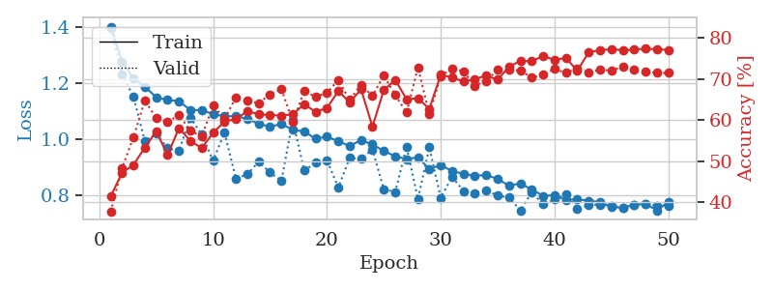
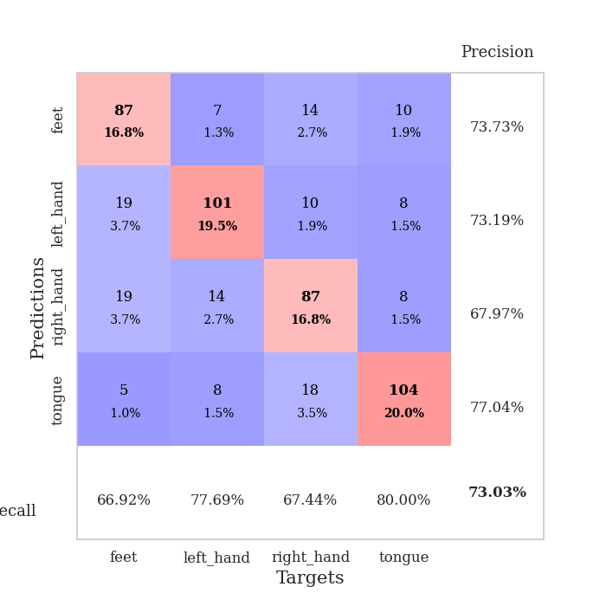
train_loss | valid_loss | train_accuracy | valid_accuracy | dur | train_misclass | valid_misclass
1.4027130854 | 1.3991824264 | 0.41473765432 | 0.37764932563 | 1.341427803 | 41.473765432 | 37.764932563
1.2777711377 | 1.2314885104 | 0.47222222222 | 0.48362235067 | 1.3247158527 | 47.222222222 | 48.362235067
1.2182200937 | 1.1524425922 | 0.49112654321 | 0.55876685934 | 1.3364930153 | 49.112654321 | 55.876685934
1.1883543656 | 0.99325381963 | 0.53356481481 | 0.64739884393 | 1.3153660297 | 53.356481481 | 64.739884393
1.1498424812 | 1.0203106204 | 0.5725308642 | 0.60500963391 | 1.2947633266 | 57.25308642 | 60.500963391
1.141125388 | 0.96824283269 | 0.51543209877 | 0.59537572254 | 1.3349285126 | 51.543209877 | 59.537572254
1.1360123191 | 0.9587093455 | 0.58063271605 | 0.61271676301 | 1.3060932159 | 58.063271605 | 61.271676301
1.1046262225 | 1.0770956312 | 0.54938271605 | 0.57418111753 | 1.3170843124 | 54.938271605 | 57.418111753
1.1044051956 | 1.0168195385 | 0.53202160494 | 0.56069364162 | 1.2869734764 | 53.202160494 | 56.069364162
1.0900361784 | 0.92372428131 | 0.56905864198 | 0.63583815029 | 1.3390665054 | 56.905864198 | 63.583815029
1.0824942085 | 1.0243102348 | 0.59683641975 | 0.60308285164 | 1.3124248981 | 59.683641975 | 60.308285164
1.0828642212 | 0.85997260972 | 0.60262345679 | 0.65510597303 | 1.3174929619 | 60.262345679 | 65.510597303
1.0737663783 | 0.87466902253 | 0.62152777778 | 0.64739884393 | 1.4998016357 | 62.152777778 | 64.739884393
1.0552150986 | 0.91994956302 | 0.61458333333 | 0.64161849711 | 1.2272539139 | 61.458333333 | 64.161849711
1.0456425117 | 0.88193107719 | 0.61226851852 | 0.66281310212 | 1.2885870934 | 61.226851852 | 66.281310212
1.054647981 | 0.85273739322 | 0.61111111111 | 0.67630057803 | 1.2930731773 | 61.111111111 | 67.630057803
1.0344600387 | 1.0679433548 | 0.61419753086 | 0.59537572254 | 1.2525010109 | 61.419753086 | 59.537572254
1.028134984 | 0.88850745323 | 0.63850308642 | 0.67052023121 | 1.2885582447 | 63.850308642 | 67.052023121
1.0023478847 | 0.91600646288 | 0.62037037037 | 0.6570327553 | 1.2730855942 | 62.037037037 | 65.70327553
1.0097627345 | 0.92600466589 | 0.62924382716 | 0.66666666667 | 1.2931005955 | 62.924382716 | 66.666666667
0.99316743679 | 0.82798118708 | 0.67091049383 | 0.69749518304 | 1.2753019333 | 67.091049383 | 69.749518304
0.9763658021 | 0.93397510879 | 0.64313271605 | 0.6493256262 | 1.2860743999 | 64.313271605 | 64.93256262
0.99717359668 | 0.93004485523 | 0.67515432099 | 0.6859344894 | 1.2622261047 | 67.515432099 | 68.59344894
0.98170042516 | 0.96414278468 | 0.58410493827 | 0.65895953757 | 1.365452528 | 58.410493827 | 65.895953757
0.95876920922 | 0.82151370517 | 0.67322530864 | 0.70905587669 | 1.2803542614 | 67.322530864 | 70.905587669
0.93939784648 | 0.81232170919 | 0.69791666667 | 0.66088631985 | 1.3077023029 | 69.791666667 | 66.088631985
0.92976628998 | 0.97294393486 | 0.65084876543 | 0.61849710983 | 1.2922801971 | 65.084876543 | 61.849710983
0.93604127382 | 0.78711254496 | 0.65316358025 | 0.72832369942 | 1.274096489 | 65.316358025 | 72.832369942
0.89403565062 | 0.97136122229 | 0.62770061728 | 0.61464354528 | 1.3197789192 | 62.770061728 | 61.464354528
0.90846372957 | 0.79133912846 | 0.71026234568 | 0.70712909441 | 1.3349740505 | 71.026234568 | 70.712909441
0.88670591477 | 0.86675350526 | 0.7037037037 | 0.72639691715 | 1.2917246819 | 70.37037037 | 72.639691715
0.87667243109 | 0.81548397091 | 0.69405864198 | 0.71868978805 | 1.3015813828 | 69.405864198 | 71.868978805
0.86962399715 | 0.80844611148 | 0.69984567901 | 0.68400770713 | 1.2939898968 | 69.984567901 | 68.400770713
0.87299547998 | 0.81835646322 | 0.7087191358 | 0.69556840077 | 1.297208786 | 70.87191358 | 69.556840077
0.85840848861 | 0.79898028911 | 0.69830246914 | 0.7225433526 | 1.3160331249 | 69.830246914 | 72.25433526
0.83495665884 | 0.79272018163 | 0.7299382716 | 0.7225433526 | 1.312148571 | 72.99382716 | 72.25433526
0.84242694006 | 0.74597452486 | 0.74421296296 | 0.72061657033 | 1.3039138317 | 74.421296296 | 72.061657033
0.82080344837 | 0.81100952304 | 0.74305555556 | 0.70327552987 | 1.3190889359 | 74.305555556 | 70.327552987
0.79844568265 | 0.76813608971 | 0.75655864198 | 0.71098265896 | 1.3028132915 | 75.655864198 | 71.098265896
0.80011064642 | 0.78494984222 | 0.74614197531 | 0.72447013487 | 1.3036506176 | 74.614197531 | 72.447013487
0.78351748744 | 0.80443555071 | 0.75192901235 | 0.71483622351 | 1.3103961945 | 75.192901235 | 71.483622351
0.78646709209 | 0.75367492368 | 0.71990740741 | 0.72639691715 | 1.2831439972 | 71.990740741 | 72.639691715
0.78058825672 | 0.76504875906 | 0.7650462963 | 0.71676300578 | 1.3389484882 | 76.50462963 | 71.676300578
0.77618393854 | 0.76733565491 | 0.77044753086 | 0.7225433526 | 1.3025426865 | 77.044753086 | 72.25433526
0.75872663087 | 0.76303962648 | 0.77237654321 | 0.72061657033 | 1.3152639866 | 77.237654321 | 72.061657033
0.75568260694 | 0.75701503062 | 0.77044753086 | 0.7302504817 | 1.2792258263 | 77.044753086 | 73.02504817
0.76594064927 | 0.76591531573 | 0.77160493827 | 0.7225433526 | 1.3100149632 | 77.160493827 | 72.25433526
0.76938711548 | 0.76815675897 | 0.77391975309 | 0.71868978805 | 1.2953252792 | 77.391975309 | 71.868978805
0.74630813337 | 0.76389615821 | 0.77237654321 | 0.71483622351 | 1.3350696564 | 77.237654321 | 71.483622351
0.77668807205 | 0.7640217344 | 0.77083333333 | 0.71483622351 | 1.2743651867 | 77.083333333 | 71.483622351

Best Val accuracy is 0.7302504816955684 and Best test accuracy is 0.5504100337674868

Sheet5
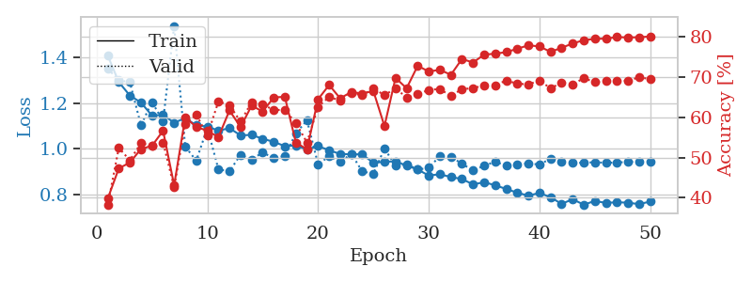
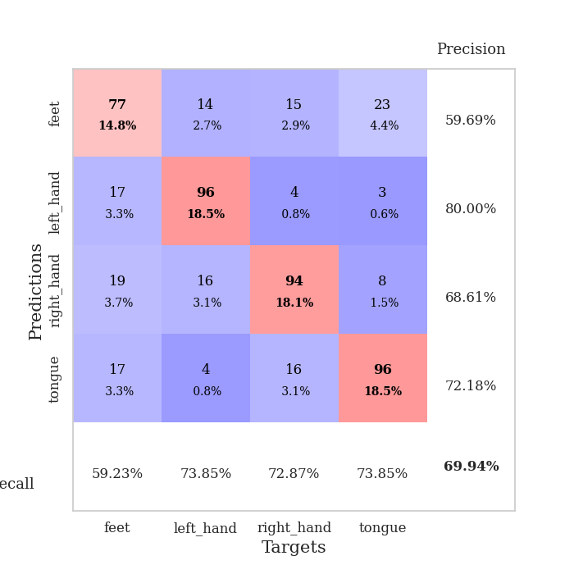
train_loss | valid_loss | train_accuracy | valid_accuracy | dur | train_misclass | valid_misclass
1.4081707435 | 1.3514148185 | 0.39776234568 | 0.38150289017 | 1.3480062485 | 39.776234568 | 38.150289017
1.29216228 | 1.2995972767 | 0.47299382716 | 0.52408477842 | 1.3212971687 | 47.299382716 | 52.408477842
1.2331466649 | 1.2917768314 | 0.48765432099 | 0.49325626204 | 1.291012764 | 48.765432099 | 49.325626204
1.2026779659 | 1.10325021 | 0.5212191358 | 0.53564547206 | 1.2757275105 | 52.12191358 | 53.564547206
1.1453122541 | 1.2046694004 | 0.52932098765 | 0.52986512524 | 1.3036689758 | 52.932098765 | 52.986512524
1.1488845054 | 1.1213832743 | 0.56674382716 | 0.53757225434 | 1.2689237595 | 56.674382716 | 53.757225434
1.1138868729 | 1.5381269538 | 0.43094135802 | 0.42581888247 | 1.2973277569 | 43.094135802 | 42.581888247
1.1345155386 | 1.0097005413 | 0.59992283951 | 0.5838150289 | 1.2949252129 | 59.992283951 | 58.38150289
1.1024551531 | 0.94792981001 | 0.57638888889 | 0.60693641618 | 1.2712285519 | 57.638888889 | 60.693641618
1.0977791842 | 1.091788104 | 0.56674382716 | 0.5549132948 | 1.2947642803 | 56.674382716 | 55.49132948
1.0792259662 | 0.90975122989 | 0.55092592593 | 0.63969171484 | 1.3013980389 | 55.092592593 | 63.969171484
1.0904159126 | 0.90156365635 | 0.61728395062 | 0.63005780347 | 1.5081355572 | 61.728395062 | 63.005780347
1.0586573397 | 0.97435012144 | 0.57600308642 | 0.58959537572 | 1.33548522 | 57.600308642 | 58.959537572
1.0609744968 | 0.95274119961 | 0.62924382716 | 0.63776493256 | 1.3418660164 | 62.924382716 | 63.776493256
1.0435750959 | 0.98430078843 | 0.61458333333 | 0.63198458574 | 1.325217247 | 61.458333333 | 63.198458574
1.0306601042 | 0.95819819479 | 0.64969135802 | 0.61849710983 | 1.3112950325 | 64.969135802 | 61.849710983
1.0114332167 | 0.96881884049 | 0.6512345679 | 0.61849710983 | 1.3304555416 | 65.12345679 | 61.849710983
1.014946148 | 1.0678894863 | 0.53703703704 | 0.58574181118 | 1.284416914 | 53.703703704 | 58.574181118
0.99686238059 | 1.124827506 | 0.52083333333 | 0.53757225434 | 1.3019433022 | 52.083333333 | 53.757225434
1.0118250457 | 0.932815778 | 0.6450617284 | 0.62620423892 | 1.2779316902 | 64.50617284 | 62.620423892
0.99368408727 | 0.96644513777 | 0.68055555556 | 0.65125240848 | 1.267572403 | 68.055555556 | 65.125240848
0.97721356337 | 0.94188230759 | 0.64737654321 | 0.64161849711 | 1.3980340958 | 64.737654321 | 64.161849711
0.97625279684 | 0.97835888913 | 0.66319444444 | 0.66088631985 | 1.3162713051 | 66.319444444 | 66.088631985
0.97563245893 | 0.90053649077 | 0.65933641975 | 0.65510597303 | 1.273917675 | 65.933641975 | 65.510597303
0.93823988092 | 0.89137137625 | 0.66550925926 | 0.67244701349 | 1.3248195648 | 66.550925926 | 67.244701349
0.94332993822 | 1.0008676812 | 0.57831790123 | 0.65510597303 | 1.3030407429 | 57.831790123 | 65.510597303
0.94493564191 | 0.92568419411 | 0.69830246914 | 0.67244701349 | 1.3120698929 | 69.830246914 | 67.244701349
0.92673372063 | 0.93311151948 | 0.6724537037 | 0.6493256262 | 1.2901644707 | 67.24537037 | 64.93256262
0.90928366964 | 0.90888898474 | 0.72839506173 | 0.6570327553 | 1.2961351871 | 72.839506173 | 65.70327553
0.88291603713 | 0.91751447578 | 0.71412037037 | 0.66859344894 | 1.2746171951 | 71.412037037 | 66.859344894
0.88855048481 | 0.96717522737 | 0.71836419753 | 0.67052023121 | 1.3160719872 | 71.836419753 | 67.052023121
0.8764577806 | 0.96606643834 | 0.70601851852 | 0.65317919075 | 1.2963273525 | 70.601851852 | 65.317919075
0.86765172084 | 0.93372293015 | 0.74537037037 | 0.67052023121 | 1.335514307 | 74.537037037 | 67.052023121
0.84420702432 | 0.90600347404 | 0.73649691358 | 0.67244701349 | 1.317804575 | 73.649691358 | 67.244701349
0.85361086292 | 0.9253482017 | 0.75617283951 | 0.68015414258 | 1.3147706985 | 75.617283951 | 68.015414258
0.84050132113 | 0.94365026657 | 0.75848765432 | 0.68015414258 | 1.3265616894 | 75.848765432 | 68.015414258
0.82391165786 | 0.92530750378 | 0.76234567901 | 0.69171483622 | 1.3246715069 | 76.234567901 | 69.171483622
0.80792622287 | 0.93114928267 | 0.77083333333 | 0.68400770713 | 1.3108208179 | 77.083333333 | 68.400770713
0.7946600489 | 0.9365334102 | 0.77932098765 | 0.68208092486 | 1.3226499557 | 77.932098765 | 68.208092486
0.80701116335 | 0.93086399761 | 0.77662037037 | 0.69171483622 | 1.3180429935 | 77.662037037 | 69.171483622
0.78763997573 | 0.95685680547 | 0.76311728395 | 0.67244701349 | 1.3026499748 | 76.311728395 | 67.244701349
0.75896227912 | 0.94353656893 | 0.77314814815 | 0.6859344894 | 1.3015117645 | 77.314814815 | 68.59344894
0.77919853469 | 0.93900108866 | 0.78395061728 | 0.68208092486 | 1.2877471447 | 78.395061728 | 68.208092486
0.75538194511 | 0.93873412554 | 0.79205246914 | 0.69749518304 | 1.273049593 | 79.205246914 | 69.749518304
0.77157647761 | 0.94151169578 | 0.79552469136 | 0.68786127168 | 1.3256807327 | 79.552469136 | 68.786127168
0.76307749123 | 0.93862388336 | 0.79591049383 | 0.68978805395 | 1.2885231972 | 79.591049383 | 68.978805395
0.7659721128 | 0.94013980588 | 0.79976851852 | 0.68978805395 | 1.2964398861 | 79.976851852 | 68.978805395
0.76413609805 | 0.942443988 | 0.79899691358 | 0.69171483622 | 1.2962896824 | 79.899691358 | 69.171483622
0.75767493634 | 0.9430402051 | 0.79938271605 | 0.69942196532 | 1.2908098698 | 79.938271605 | 69.942196532
0.76901418541 | 0.94419896901 | 0.8013117284 | 0.69556840077 | 1.2822237015 | 80.13117284 | 69.556840077

Best Val accuracy is 0.6994219653179191 and Best test accuracy is 0.5547515677761699

Sheet6
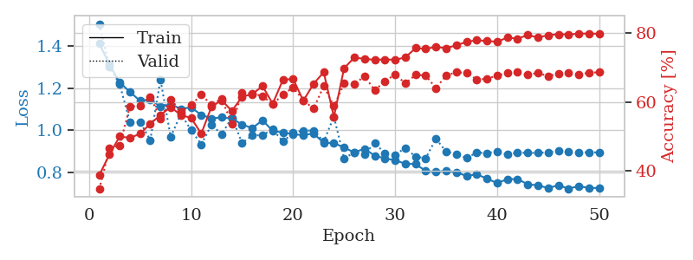
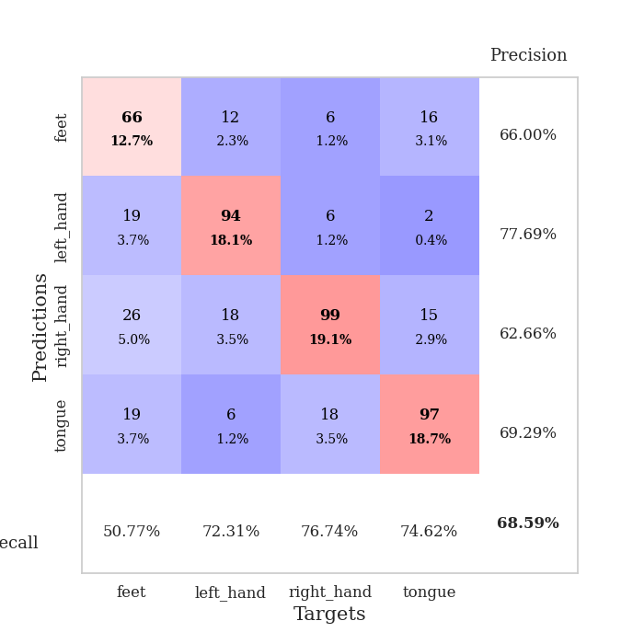
train_loss | valid_loss | train_accuracy | valid_accuracy | dur | train_misclass | valid_misclass
1.4135063923 | 1.5069724105 | 0.38734567901 | 0.34682080925 | 1.3229224682 | 38.734567901 | 34.682080925
1.3137168325 | 1.3031139303 | 0.4475308642 | 0.46435452794 | 1.3117501736 | 44.75308642 | 46.435452794
1.2280930321 | 1.2193209787 | 0.49961419753 | 0.47398843931 | 1.2841017246 | 49.961419753 | 47.398843931
1.1834521216 | 1.0408302512 | 0.49537037037 | 0.58574181118 | 1.3147382736 | 49.537037037 | 58.574181118
1.1405270273 | 1.0394146295 | 0.50733024691 | 0.58959537572 | 1.307220459 | 50.733024691 | 58.959537572
1.147685434 | 0.95384005912 | 0.5362654321 | 0.61464354528 | 1.3118178844 | 53.62654321 | 61.464354528
1.1123584417 | 1.2413360057 | 0.56172839506 | 0.55105973025 | 1.2949671745 | 56.172839506 | 55.105973025
1.1245708712 | 0.9686685943 | 0.58487654321 | 0.60693641618 | 1.3068716526 | 58.487654321 | 60.693641618
1.1024357772 | 1.0786431265 | 0.56172839506 | 0.57225433526 | 1.2671744823 | 56.172839506 | 57.225433526
1.1097036534 | 1.0015455746 | 0.55324074074 | 0.591522158 | 1.2577085495 | 55.324074074 | 59.1522158
1.0735919472 | 0.93356057341 | 0.50771604938 | 0.6204238921 | 1.2770149708 | 50.771604938 | 62.04238921
1.0575271801 | 1.0268095847 | 0.58564814815 | 0.591522158 | 1.4118852615 | 58.564814815 | 59.1522158
1.0617374918 | 0.98157392485 | 0.6049382716 | 0.60886319846 | 1.2952330112 | 60.49382716 | 60.886319846
1.0563516083 | 1.0615890166 | 0.57330246914 | 0.53564547206 | 1.3251640797 | 57.330246914 | 53.564547206
1.0281745442 | 0.93991916855 | 0.6149691358 | 0.62620423892 | 1.3222286701 | 61.49691358 | 62.620423892
1.0107969145 | 0.97639834203 | 0.62229938272 | 0.62427745665 | 1.3496317863 | 62.229938272 | 62.427745665
1.0485036447 | 0.97710575074 | 0.64583333333 | 0.61657032755 | 1.2968432903 | 64.583333333 | 61.657032755
0.9975869468 | 1.0052592031 | 0.59452160494 | 0.59344894027 | 1.3000302315 | 59.452160494 | 59.344894027
0.98987225287 | 0.94662172199 | 0.66358024691 | 0.6204238921 | 1.2415778637 | 66.358024691 | 62.04238921
0.98217669056 | 0.98889884806 | 0.66666666667 | 0.64161849711 | 1.2213964462 | 66.666666667 | 64.161849711
0.97697026752 | 0.99926452876 | 0.60300925926 | 0.60500963391 | 1.245978117 | 60.300925926 | 60.500963391
0.98621934542 | 0.99941978542 | 0.65200617284 | 0.57996146435 | 1.2757773399 | 65.200617284 | 57.996146435
0.94053732981 | 0.94655812809 | 0.68595679012 | 0.64547206166 | 1.3096926212 | 68.595679012 | 64.547206166
0.94013274783 | 1.065199108 | 0.55632716049 | 0.58766859345 | 1.2724401951 | 55.632716049 | 58.766859345
0.91824112649 | 0.86667955278 | 0.6975308642 | 0.65317919075 | 1.2899188995 | 69.75308642 | 65.317919075
0.89527056357 | 0.8955166039 | 0.72839506173 | 0.65125240848 | 1.2859492302 | 72.839506173 | 65.125240848
0.91319617629 | 0.88808586591 | 0.72453703704 | 0.67437379576 | 1.3436553478 | 72.453703704 | 67.437379576
0.87950348744 | 0.93889167842 | 0.72183641975 | 0.63391136802 | 1.3051252365 | 72.183641975 | 63.391136802
0.86732689724 | 0.89176677394 | 0.72299382716 | 0.65895953757 | 1.320494175 | 72.299382716 | 65.895953757
0.85771836598 | 0.88391277923 | 0.72183641975 | 0.68015414258 | 1.2724385262 | 72.183641975 | 68.015414258
0.84172489301 | 0.91681729874 | 0.7287808642 | 0.65317919075 | 1.2952256203 | 72.87808642 | 65.317919075
0.83982728477 | 0.87518054339 | 0.75578703704 | 0.67822736031 | 1.3284254074 | 75.578703704 | 67.822736031
0.80740476225 | 0.86756925581 | 0.75347222222 | 0.67630057803 | 1.3032433987 | 75.347222222 | 67.630057803
0.80287611356 | 0.9602811201 | 0.75925925926 | 0.63969171484 | 1.2916710377 | 75.925925926 | 63.969171484
0.80856031198 | 0.89916837996 | 0.75540123457 | 0.67630057803 | 1.321439743 | 75.540123457 | 67.630057803
0.80188907683 | 0.88749745402 | 0.76427469136 | 0.6859344894 | 1.3073222637 | 76.427469136 | 68.59344894
0.78260227118 | 0.86870379094 | 0.77353395062 | 0.68400770713 | 1.3246545792 | 77.353395062 | 68.400770713
0.79127022477 | 0.89438065973 | 0.77893518519 | 0.66473988439 | 1.2933411598 | 77.893518519 | 66.473988439
0.77066421132 | 0.89225752344 | 0.7762345679 | 0.66666666667 | 1.2780647278 | 77.62345679 | 66.666666667
0.74950501893 | 0.90053937683 | 0.77430555556 | 0.67630057803 | 1.3039286137 | 77.430555556 | 67.630057803
0.76773796424 | 0.88505241338 | 0.7862654321 | 0.68400770713 | 1.273526907 | 78.62654321 | 68.400770713
0.76878982856 | 0.89472983706 | 0.78317901235 | 0.6859344894 | 1.3205029964 | 78.317901235 | 68.59344894
0.74346587356 | 0.89298640487 | 0.79359567901 | 0.67822736031 | 1.2920935154 | 79.359567901 | 67.822736031
0.73894232015 | 0.89295418575 | 0.78665123457 | 0.68400770713 | 1.3101875782 | 78.665123457 | 68.400770713
0.72539541824 | 0.89554730408 | 0.79320987654 | 0.67437379576 | 1.3354225159 | 79.320987654 | 67.437379576
0.73946024569 | 0.90173545348 | 0.79591049383 | 0.68208092486 | 1.2885518074 | 79.591049383 | 68.208092486
0.72263009754 | 0.89762923231 | 0.79552469136 | 0.68400770713 | 1.302479744 | 79.552469136 | 68.400770713
0.7354446197 | 0.89656788972 | 0.7974537037 | 0.68015414258 | 1.3254561424 | 79.74537037 | 68.015414258
0.72574246426 | 0.8956076729 | 0.79822530864 | 0.68400770713 | 1.2881641388 | 79.822530864 | 68.400770713
0.72660704748 | 0.89543617254 | 0.79706790123 | 0.6859344894 | 1.2795753479 | 79.706790123 | 68.59344894

Best Val accuracy is 0.6859344894026975 and Best test accuracy is 0.5697057404727448

Sheet7
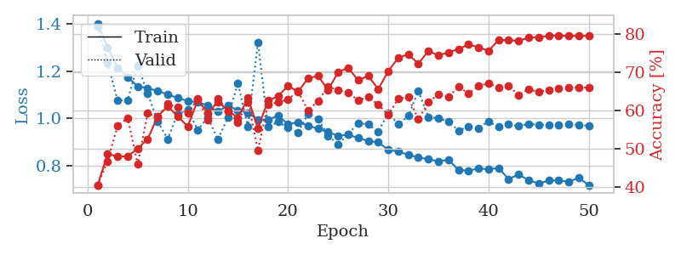
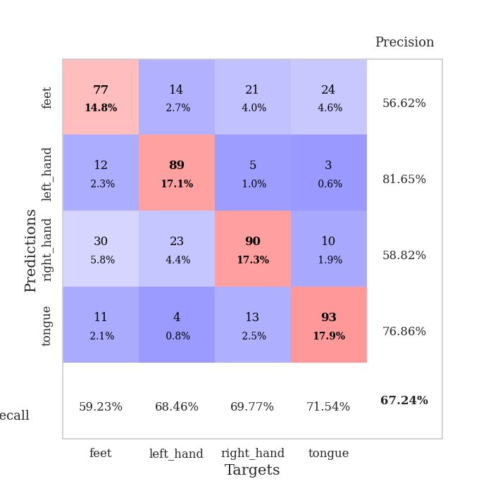
train_loss | valid_loss | train_accuracy | valid_accuracy | dur | train_misclass | valid_misclass
1.4007153688 | 1.3885067173 | 0.40432098765 | 0.40462427746 | 1.366132021 | 40.432098765 | 40.462427746
1.2997418808 | 1.234053623 | 0.48804012346 | 0.46820809249 | 1.3305151463 | 48.804012346 | 46.820809249
1.2140025375 | 1.0762101568 | 0.48032407407 | 0.56069364162 | 1.3097174168 | 48.032407407 | 56.069364162
1.1744698356 | 1.0774349066 | 0.48109567901 | 0.58188824663 | 1.3080031872 | 48.109567901 | 58.188824663
1.1354814032 | 1.2242994515 | 0.50115740741 | 0.46050096339 | 1.3169469833 | 50.115740741 | 46.050096339
1.1282014229 | 1.1048403857 | 0.5262345679 | 0.59344894027 | 1.294195652 | 52.62345679 | 59.344894027
1.1150196368 | 0.98679818009 | 0.58564814815 | 0.5838150289 | 1.2955191135 | 58.564814815 | 58.38150289
1.1015864394 | 0.91307934378 | 0.61188271605 | 0.61849710983 | 1.3059241772 | 61.188271605 | 61.849710983
1.0858380655 | 1.0200752824 | 0.58564814815 | 0.60886319846 | 1.3160123825 | 58.564814815 | 60.886319846
1.0740036935 | 1.0367782899 | 0.55902777778 | 0.59344894027 | 1.3281061649 | 55.902777778 | 59.344894027
1.067602442 | 0.95111227346 | 0.62885802469 | 0.63198458574 | 1.2986092567 | 62.885802469 | 63.198458574
1.0554843527 | 1.005147439 | 0.59375 | 0.57610789981 | 1.4417536259 | 59.375 | 57.610789981
1.0282017438 | 0.91086930094 | 0.62422839506 | 0.63198458574 | 1.259752512 | 62.422839506 | 63.198458574
1.0553218662 | 1.0048391927 | 0.60146604938 | 0.59922928709 | 1.2193312645 | 60.146604938 | 59.922928709
1.0341155684 | 1.1491654117 | 0.58140432099 | 0.57032755299 | 1.1503078938 | 58.140432099 | 57.032755299
1.0237461222 | 0.96409033615 | 0.63348765432 | 0.62427745665 | 1.2510304451 | 63.348765432 | 62.427745665
0.99439782235 | 1.3216012843 | 0.55478395062 | 0.49710982659 | 1.2664752007 | 55.478395062 | 49.710982659
0.99359532639 | 0.96412295275 | 0.62654320988 | 0.61657032755 | 1.2452523708 | 62.654320988 | 61.657032755
1.0116493505 | 0.9854203775 | 0.63811728395 | 0.62235067437 | 1.2835054398 | 63.811728395 | 62.235067437
0.97594401682 | 0.9607445786 | 0.66550925926 | 0.63005780347 | 1.2859756947 | 66.550925926 | 63.005780347
0.98441675085 | 0.94132753644 | 0.65007716049 | 0.65125240848 | 1.2606642246 | 65.007716049 | 65.125240848
0.96998015156 | 1.0191965441 | 0.68518518519 | 0.60115606936 | 1.3194286823 | 68.518518519 | 60.115606936
0.95647478508 | 0.99769545095 | 0.69135802469 | 0.62620423892 | 1.3257575035 | 69.135802469 | 62.620423892
0.9425086414 | 0.92729643016 | 0.65432098765 | 0.66281310212 | 1.3370447159 | 65.432098765 | 66.281310212
0.92635865381 | 0.89014523751 | 0.70177469136 | 0.65510597303 | 1.3413467407 | 70.177469136 | 65.510597303
0.93163140817 | 0.93326669116 | 0.71257716049 | 0.64739884393 | 1.254970789 | 71.257716049 | 64.739884393
0.91744170292 | 0.98061485373 | 0.68016975309 | 0.62813102119 | 1.2747321129 | 68.016975309 | 62.813102119
0.90487851552 | 0.97448195417 | 0.69135802469 | 0.63583815029 | 1.2758641243 | 69.135802469 | 63.583815029
0.89922137448 | 0.94496523817 | 0.65702160494 | 0.61657032755 | 1.3008391857 | 65.702160494 | 61.657032755
0.86792727385 | 1.0230111881 | 0.7037037037 | 0.58959537572 | 1.2722771168 | 70.37037037 | 58.959537572
0.85988554156 | 0.97455230177 | 0.7388117284 | 0.63198458574 | 1.2815051079 | 73.88117284 | 63.198458574
0.84702806653 | 1.0101543123 | 0.74845679012 | 0.63583815029 | 1.2601454258 | 74.845679012 | 63.583815029
0.83535693807 | 1.1155896529 | 0.72337962963 | 0.57803468208 | 1.2620193958 | 72.337962963 | 57.803468208
0.8278542941 | 1.0057584902 | 0.75655864198 | 0.62235067437 | 1.2544355392 | 75.655864198 | 62.235067437
0.8191326967 | 1.0006916392 | 0.7449845679 | 0.64354527938 | 1.271532774 | 74.49845679 | 64.354527938
0.82550806929 | 0.98675296359 | 0.75308641975 | 0.63583815029 | 1.2754683495 | 75.308641975 | 63.583815029
0.78305880265 | 0.94882328673 | 0.76157407407 | 0.66281310212 | 1.2592573166 | 76.157407407 | 66.281310212
0.77914988388 | 0.96532536345 | 0.77353395062 | 0.64547206166 | 1.2802939415 | 77.353395062 | 64.547206166
0.78957112869 | 0.959291027 | 0.76658950617 | 0.66473988439 | 1.2784013748 | 76.658950617 | 66.473988439
0.78549753755 | 0.9863032222 | 0.75694444444 | 0.67244701349 | 1.303237915 | 75.694444444 | 67.244701349
0.79091981017 | 0.96479726688 | 0.78549382716 | 0.66088631985 | 1.3113222122 | 78.549382716 | 66.088631985
0.74466006531 | 0.97551388605 | 0.78510802469 | 0.66473988439 | 1.3127806187 | 78.510802469 | 66.473988439
0.76345970693 | 0.96792190589 | 0.78279320988 | 0.64161849711 | 1.3205885887 | 78.279320988 | 64.161849711
0.73997935285 | 0.97718133253 | 0.79205246914 | 0.6570327553 | 1.3291778564 | 79.205246914 | 65.70327553
0.72544381317 | 0.97229165114 | 0.7924382716 | 0.6493256262 | 1.2993762493 | 79.24382716 | 64.93256262
0.73798892675 | 0.97077425792 | 0.79668209877 | 0.65510597303 | 1.307362318 | 79.668209877 | 65.510597303
0.73870157956 | 0.97362865269 | 0.7974537037 | 0.65895953757 | 1.3505241871 | 79.74537037 | 65.895953757
0.73277203168 | 0.97567812395 | 0.79591049383 | 0.66088631985 | 1.3058838844 | 79.591049383 | 66.088631985
0.74981421747 | 0.97137941664 | 0.7962962963 | 0.66088631985 | 1.2480068207 | 79.62962963 | 66.088631985
0.71891756595 | 0.96943640146 | 0.7962962963 | 0.66088631985 | 1.3196055889 | 79.62962963 | 66.088631985

Best Val accuracy is 0.6724470134874759 and Best test accuracy is 0.5788712011577424

Sheet8
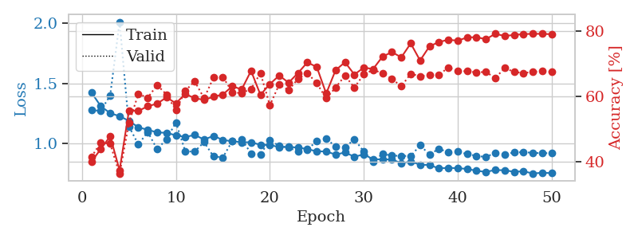
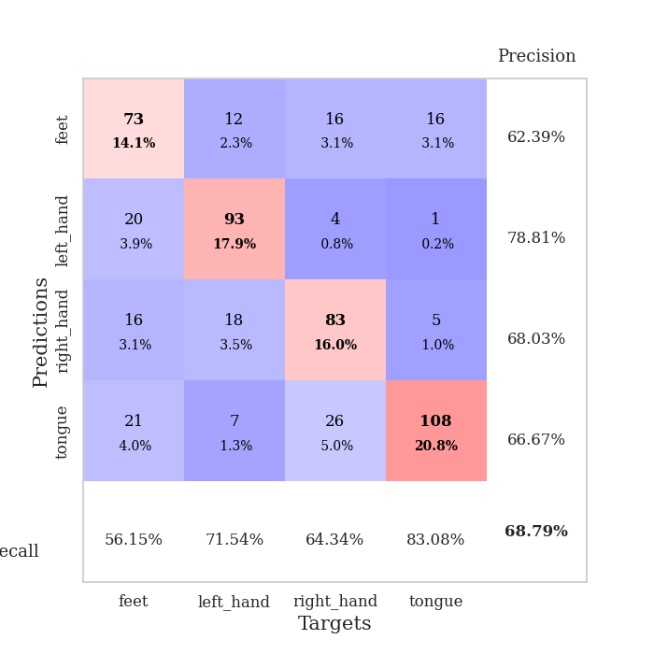
train_loss | valid_loss | train_accuracy | valid_accuracy | dur | train_misclass | valid_misclass
1.4244003053 | 1.2774832267 | 0.39969135802 | 0.41425818882 | 1.1725661755 | 39.969135802 | 41.425818882
1.31110416 | 1.2728829444 | 0.43865740741 | 0.45857418112 | 1.1674149036 | 43.865740741 | 45.857418112
1.2526713073 | 1.3998689114 | 0.47762345679 | 0.45472061657 | 1.1741096973 | 47.762345679 | 45.472061657
1.2280365626 | 2.0096869855 | 0.37384259259 | 0.36223506744 | 1.1376943588 | 37.384259259 | 36.223506744
1.1892367366 | 1.1426845686 | 0.55594135802 | 0.5183044316 | 1.1315693855 | 55.594135802 | 51.83044316
1.1354507403 | 0.99346918465 | 0.55478395062 | 0.60693641618 | 1.1557621956 | 55.478395062 | 60.693641618
1.1153369998 | 1.0968221504 | 0.56944444444 | 0.59537572254 | 1.1618654728 | 56.944444444 | 59.537572254
1.0931654278 | 0.9538684678 | 0.57716049383 | 0.63391136802 | 1.1257386208 | 57.716049383 | 63.391136802
1.0900429285 | 1.0369414525 | 0.59645061728 | 0.60500963391 | 1.1362843513 | 59.645061728 | 60.500963391
1.0689795264 | 1.1771702633 | 0.57831790123 | 0.55684007707 | 1.1516809464 | 57.831790123 | 55.684007707
1.0552768899 | 0.93488820578 | 0.60686728395 | 0.61657032755 | 1.1183223724 | 60.686728395 | 61.657032755
1.0726506206 | 0.93530147958 | 0.59375 | 0.64547206166 | 1.2744028568 | 59.375 | 64.547206166
1.0339228213 | 1.0129017373 | 0.5887345679 | 0.59344894027 | 1.2365190983 | 58.87345679 | 59.344894027
1.0644962468 | 0.89402642932 | 0.59837962963 | 0.6570327553 | 1.2190055847 | 59.837962963 | 65.70327553
1.0307019412 | 0.88612720537 | 0.60532407407 | 0.65895953757 | 1.2070150375 | 60.532407407 | 65.895953757
1.0199892009 | 1.0221064045 | 0.63040123457 | 0.61271676301 | 1.2011160851 | 63.040123457 | 61.271676301
1.0117163217 | 1.0362523941 | 0.62075617284 | 0.60886319846 | 1.1877055168 | 62.075617284 | 60.886319846
1.0117485814 | 0.91938008256 | 0.6774691358 | 0.62235067437 | 1.1887755394 | 67.74691358 | 62.235067437
0.99042817398 | 0.91147045846 | 0.60416666667 | 0.67052023121 | 1.1425676346 | 60.416666667 | 67.052023121
0.99015368227 | 1.0292403248 | 0.63695987654 | 0.57225433526 | 1.1555697918 | 63.695987654 | 57.225433526
0.97000238336 | 0.98144589959 | 0.66319444444 | 0.63583815029 | 1.1284053326 | 66.319444444 | 63.583815029
0.97412126337 | 0.96741107365 | 0.6412037037 | 0.61849710983 | 1.1169900894 | 64.12037037 | 61.849710983
0.96704017601 | 0.93662471509 | 0.67091049383 | 0.65317919075 | 1.1521024704 | 67.091049383 | 65.317919075
0.95565778348 | 0.95187182991 | 0.70331790123 | 0.67052023121 | 1.1862592697 | 70.331790123 | 67.052023121
0.93550066668 | 1.0209003329 | 0.68904320988 | 0.63969171484 | 1.1483316422 | 68.904320988 | 63.969171484
0.93631474361 | 1.0387940976 | 0.60802469136 | 0.59344894027 | 1.1409125328 | 60.802469136 | 59.344894027
0.90910900706 | 0.97904537845 | 0.67939814815 | 0.62620423892 | 1.1293392181 | 67.939814815 | 62.620423892
0.92719775622 | 0.96777562071 | 0.7037037037 | 0.66281310212 | 1.1622972488 | 70.37037037 | 66.281310212
0.89168413296 | 1.037764767 | 0.6662808642 | 0.62620423892 | 1.1070041656 | 66.62808642 | 62.620423892
0.91073883904 | 0.93449903499 | 0.68711419753 | 0.66666666667 | 1.1333200932 | 68.711419753 | 66.666666667
0.87139893167 | 0.84963519265 | 0.68325617284 | 0.68015414258 | 1.1591024399 | 68.325617284 | 68.015414258
0.86912705188 | 0.91681850473 | 0.72106481481 | 0.67052023121 | 1.1193068027 | 72.106481481 | 67.052023121
0.86997085479 | 0.89983900664 | 0.73456790123 | 0.65317919075 | 1.1448457241 | 73.456790123 | 65.317919075
0.83708628883 | 0.89972188638 | 0.71875 | 0.63005780347 | 1.1526277065 | 71.875 | 63.005780347
0.85335008359 | 0.89620044718 | 0.7611882716 | 0.66859344894 | 1.1524195671 | 76.11882716 | 66.859344894
0.82461829189 | 0.98711561789 | 0.70910493827 | 0.66088631985 | 1.1319949627 | 70.910493827 | 66.088631985
0.82387284659 | 0.90971038314 | 0.75231481481 | 0.66473988439 | 1.1798329353 | 75.231481481 | 66.473988439
0.79434389833 | 0.957425263 | 0.76543209877 | 0.66473988439 | 1.1467370987 | 76.543209877 | 66.473988439
0.80001800296 | 0.92929248429 | 0.77237654321 | 0.68786127168 | 1.1554460526 | 77.237654321 | 68.786127168
0.7958905294 | 0.93484018878 | 0.76967592593 | 0.67630057803 | 1.1411581039 | 76.967592593 | 67.630057803
0.79133362792 | 0.9136004588 | 0.77932098765 | 0.67630057803 | 1.1359231472 | 77.932098765 | 67.630057803
0.7746310453 | 0.89887185754 | 0.78047839506 | 0.67244701349 | 1.1790390015 | 78.047839506 | 67.244701349
0.7668008326 | 0.88902649553 | 0.77391975309 | 0.67437379576 | 1.1092269421 | 77.391975309 | 67.437379576
0.78101103045 | 0.92442519702 | 0.79050925926 | 0.65510597303 | 1.1595230103 | 79.050925926 | 65.510597303
0.77970870759 | 0.91199367882 | 0.78395061728 | 0.6859344894 | 1.1191005707 | 78.395061728 | 68.59344894
0.76692402547 | 0.92684767196 | 0.78703703704 | 0.67437379576 | 1.1613686085 | 78.703703704 | 67.437379576
0.77112588305 | 0.93030677113 | 0.78973765432 | 0.67052023121 | 1.1416418552 | 78.973765432 | 67.052023121
0.75284449204 | 0.92373055599 | 0.79050925926 | 0.67437379576 | 1.1519467831 | 79.050925926 | 67.437379576
0.75878321241 | 0.92098732927 | 0.79050925926 | 0.67630057803 | 1.1283130646 | 79.050925926 | 67.630057803
0.75574301018 | 0.92211674863 | 0.78935185185 | 0.67437379576 | 1.1657643318 | 78.935185185 | 67.437379576

Best Val accuracy is 0.6878612716763006 and Best test accuracy is 0.5615050651230101

Sheet9
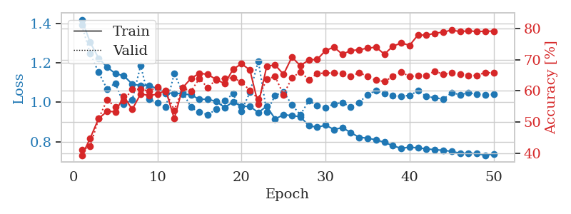
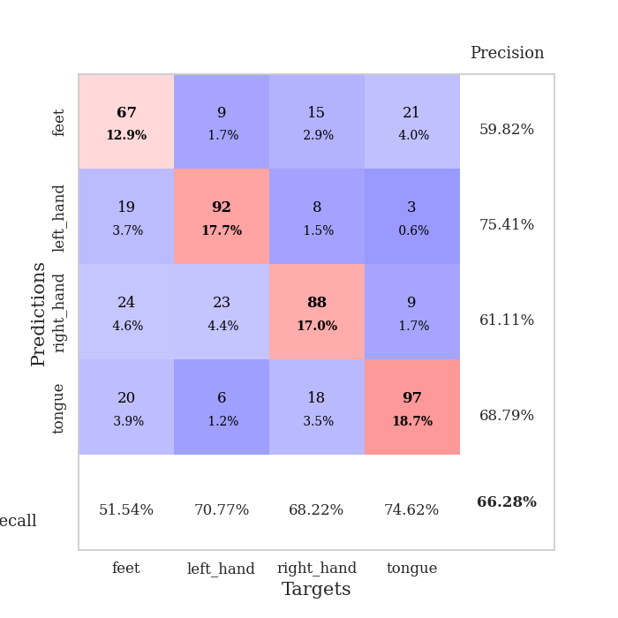
train_loss | valid_loss | train_accuracy | valid_accuracy | dur | train_misclass | valid_misclass
1.4193572314 | 1.3909570183 | 0.39158950617 | 0.41040462428 | 1.2059047222 | 39.158950617 | 41.040462428
1.304034016 | 1.2467440155 | 0.44791666667 | 0.42196531792 | 1.2148327827 | 44.791666667 | 42.196531792
1.2238898108 | 1.1519711176 | 0.5111882716 | 0.5105973025 | 1.243524313 | 51.11882716 | 51.05973025
1.1794020813 | 1.0678786841 | 0.53395061728 | 0.57032755299 | 1.1851098537 | 53.395061728 | 57.032755299
1.1450729937 | 1.0968218254 | 0.53317901235 | 0.54913294798 | 1.2303385735 | 53.317901235 | 54.913294798
1.1344398551 | 0.98919855101 | 0.58179012346 | 0.56840077071 | 1.2103831768 | 58.179012346 | 56.840077071
1.0925100203 | 1.0118335972 | 0.54050925926 | 0.60500963391 | 1.1896955967 | 54.050925926 | 60.500963391
1.0851284472 | 1.1868251466 | 0.58989197531 | 0.60500963391 | 1.1770439148 | 58.989197531 | 60.500963391
1.0857621597 | 1.0150623457 | 0.58526234568 | 0.59922928709 | 1.1629505157 | 58.526234568 | 59.922928709
1.0687264546 | 0.99718735397 | 0.58912037037 | 0.61271676301 | 1.1502671242 | 58.912037037 | 61.271676301
1.0461272612 | 0.97627612805 | 0.60146604938 | 0.59730250482 | 1.0871286392 | 60.146604938 | 59.730250482
1.0467679269 | 1.1465614518 | 0.51041666667 | 0.53757225434 | 1.2734782696 | 51.041666667 | 53.757225434
1.0428421681 | 1.0515574504 | 0.6099537037 | 0.60886319846 | 1.1726176739 | 60.99537037 | 60.886319846
1.037850384 | 0.97463706877 | 0.6400462963 | 0.59922928709 | 1.1729359627 | 64.00462963 | 59.922928709
1.0147135191 | 0.94920907866 | 0.65625 | 0.63969171484 | 1.2127757072 | 65.625 | 63.969171484
1.0163167974 | 0.93763782627 | 0.65277777778 | 0.60886319846 | 1.1913385391 | 65.277777778 | 60.886319846
1.0035585301 | 0.96474920187 | 0.63580246914 | 0.63776493256 | 1.1448476315 | 63.580246914 | 63.776493256
0.97426839007 | 1.0080844807 | 0.62307098765 | 0.63969171484 | 1.1590633392 | 62.307098765 | 63.969171484
1.0018651669 | 1.0436151422 | 0.66898148148 | 0.64161849711 | 1.1331658363 | 66.898148148 | 64.161849711
0.97999366014 | 0.95614870389 | 0.68672839506 | 0.62813102119 | 1.1476929188 | 68.672839506 | 62.813102119
0.9793761505 | 1.0506434114 | 0.66666666667 | 0.60115606936 | 1.1494085789 | 66.666666667 | 60.115606936
0.94812498306 | 1.2090289262 | 0.55632716049 | 0.57418111753 | 1.1301651001 | 55.632716049 | 57.418111753
0.98028959941 | 0.95078880709 | 0.67901234568 | 0.63776493256 | 1.1340973377 | 67.901234568 | 63.776493256
0.91537093767 | 1.034399582 | 0.68287037037 | 0.64547206166 | 1.119579792 | 68.287037037 | 64.547206166
0.93730048339 | 1.0536901876 | 0.65277777778 | 0.58766859345 | 1.131734848 | 65.277777778 | 58.766859345
0.93263401201 | 0.98725992361 | 0.70794753086 | 0.64161849711 | 1.1355173588 | 70.794753086 | 64.161849711
0.92679024295 | 0.93650951666 | 0.68055555556 | 0.66088631985 | 1.1221022606 | 68.055555556 | 66.088631985
0.8820221093 | 1.0071956921 | 0.6986882716 | 0.63583815029 | 1.1152248383 | 69.86882716 | 63.583815029
0.87317940961 | 0.98422567486 | 0.70061728395 | 0.65510597303 | 1.1403176785 | 70.061728395 | 65.510597303
0.88436550343 | 0.97429032385 | 0.72916666667 | 0.6570327553 | 1.1290915012 | 72.916666667 | 65.70327553
0.86206295718 | 0.99098824995 | 0.7399691358 | 0.6570327553 | 1.1538681984 | 73.99691358 | 65.70327553
0.87168517598 | 0.99868936013 | 0.71720679012 | 0.65510597303 | 1.1310789585 | 71.720679012 | 65.510597303
0.84645299724 | 0.97724736288 | 0.72916666667 | 0.64547206166 | 1.1430072784 | 72.916666667 | 64.547206166
0.82234944238 | 0.99936951861 | 0.73148148148 | 0.65895953757 | 1.1676807404 | 73.148148148 | 65.895953757
0.81839601732 | 1.0391225011 | 0.73688271605 | 0.64547206166 | 1.113522768 | 73.688271605 | 64.547206166
0.80971213347 | 1.0595400563 | 0.7399691358 | 0.63391136802 | 1.1317667961 | 73.99691358 | 63.391136802
0.79779726782 | 1.0439881014 | 0.71759259259 | 0.63005780347 | 1.1533756256 | 71.759259259 | 63.005780347
0.77939389775 | 1.0326083458 | 0.74266975309 | 0.64547206166 | 1.1351304054 | 74.266975309 | 64.547206166
0.76693508379 | 1.0312380738 | 0.75347222222 | 0.66088631985 | 1.1371982098 | 75.347222222 | 66.088631985
0.77217316462 | 1.0351396667 | 0.74575617284 | 0.64547206166 | 1.1777596474 | 74.575617284 | 64.547206166
0.76899715669 | 1.0580192832 | 0.77932098765 | 0.6493256262 | 1.1454138756 | 77.932098765 | 64.93256262
0.76397887608 | 1.0295018879 | 0.77816358025 | 0.6493256262 | 1.1562094688 | 77.816358025 | 64.93256262
0.75975267092 | 1.0234009593 | 0.78472222222 | 0.66281310212 | 1.1439814568 | 78.472222222 | 66.281310212
0.75648306697 | 1.0162494853 | 0.78819444444 | 0.65317919075 | 1.1420998573 | 78.819444444 | 65.317919075
0.75130763742 | 1.047749727 | 0.79475308642 | 0.6570327553 | 1.1351213455 | 79.475308642 | 65.70327553
0.74138943207 | 1.039289016 | 0.78973765432 | 0.65317919075 | 1.124638319 | 78.973765432 | 65.317919075
0.74188514183 | 1.0477398 | 0.7924382716 | 0.6493256262 | 1.1646442413 | 79.24382716 | 64.93256262
0.74056808696 | 1.0419162516 | 0.79012345679 | 0.6493256262 | 1.1174807549 | 79.012345679 | 64.93256262
0.73119309269 | 1.0378157222 | 0.79089506173 | 0.65895953757 | 1.1608479023 | 79.089506173 | 65.895953757
0.73824578744 | 1.0402656663 | 0.79166666667 | 0.6570327553 | 1.1689810753 | 79.166666667 | 65.70327553

Best Val accuracy is 0.6628131021194605 and Best test accuracy is 0.5885190545103715

Sheet10
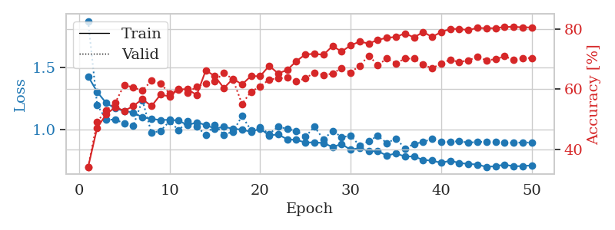
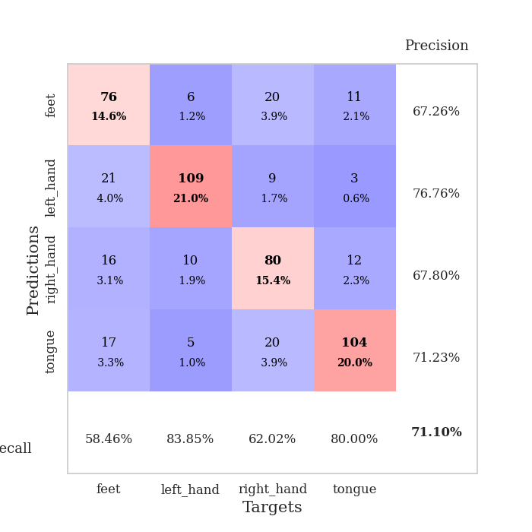
train_loss | valid_loss | train_accuracy | valid_accuracy | dur | train_misclass | valid_misclass
1.430929184 | 1.877550737 | 0.34104938272 | 0.34104046243 | 1.2057156563 | 34.104938272 | 34.104046243
1.3055320662 | 1.1988937494 | 0.47183641975 | 0.49132947977 | 1.1773600578 | 47.183641975 | 49.132947977
1.2145130189 | 1.0820414655 | 0.51658950617 | 0.52986512524 | 1.2096531391 | 51.658950617 | 52.986512524
1.1717425228 | 1.0796532539 | 0.54050925926 | 0.5549132948 | 1.1632943153 | 54.050925926 | 55.49132948
1.1496598125 | 1.051946985 | 0.52816358025 | 0.61464354528 | 1.2237987518 | 52.816358025 | 61.464354528
1.1392064989 | 1.0335850131 | 0.54398148148 | 0.60500963391 | 1.2016637325 | 54.398148148 | 60.500963391
1.0985216627 | 1.2386982498 | 0.56712962963 | 0.59537572254 | 1.1924061775 | 56.712962963 | 59.537572254
1.0868779141 | 0.97320375392 | 0.54359567901 | 0.62813102119 | 1.1272380352 | 54.359567901 | 62.813102119
1.0772105308 | 0.99016201129 | 0.58179012346 | 0.61849710983 | 1.1224265099 | 58.179012346 | 61.849710983
1.0800020956 | 1.0673675464 | 0.57600308642 | 0.58574181118 | 1.1510901451 | 57.600308642 | 58.574181118
1.0729495622 | 0.99612909222 | 0.59992283951 | 0.59922928709 | 1.1673910618 | 59.992283951 | 59.922928709
1.0355660772 | 1.0658908761 | 0.59953703704 | 0.58766859345 | 1.1030519009 | 59.953703704 | 58.766859345
1.058989332 | 1.0234761274 | 0.58063271605 | 0.60886319846 | 1.1987168789 | 58.063271605 | 60.886319846
1.0366698018 | 0.95710411237 | 0.66242283951 | 0.61849710983 | 1.2161369324 | 66.242283951 | 61.849710983
1.008354336 | 1.0376899805 | 0.64313271605 | 0.62620423892 | 1.2401936054 | 64.313271605 | 62.620423892
1.0222759087 | 0.95890446814 | 0.60339506173 | 0.65510597303 | 1.2122628689 | 60.339506173 | 65.510597303
1.0072356525 | 0.98328783884 | 0.63464506173 | 0.63198458574 | 1.2305591106 | 63.464506173 | 63.198458574
0.99967896202 | 1.109168428 | 0.61574074074 | 0.55105973025 | 1.1986048222 | 61.574074074 | 55.105973025
0.98207312234 | 0.99530469521 | 0.64351851852 | 0.591522158 | 1.1708974838 | 64.351851852 | 59.1522158
1.0073220274 | 1.0183716484 | 0.64274691358 | 0.60886319846 | 1.2045888901 | 64.274691358 | 60.886319846
0.95358951739 | 0.9656224237 | 0.6774691358 | 0.63198458574 | 1.1634073257 | 67.74691358 | 63.198458574
0.96097631127 | 1.024322535 | 0.65200617284 | 0.63583815029 | 1.1309390068 | 65.200617284 | 63.583815029
0.92151781769 | 1.0049791678 | 0.66396604938 | 0.63776493256 | 1.168544054 | 66.396604938 | 63.776493256
0.91669271316 | 0.98956018399 | 0.69290123457 | 0.62620423892 | 1.1339092255 | 69.290123457 | 62.620423892
0.89600219053 | 0.94218818829 | 0.71527777778 | 0.63583815029 | 1.1483044624 | 71.527777778 | 63.583815029
0.89654774026 | 1.0228848713 | 0.71720679012 | 0.65510597303 | 1.1077513695 | 71.720679012 | 65.510597303
0.89161898288 | 0.92089682484 | 0.71412037037 | 0.64739884393 | 1.1214077473 | 71.412037037 | 64.739884393
0.85930761345 | 0.98973020377 | 0.74305555556 | 0.65125240848 | 1.1409952641 | 74.305555556 | 65.125240848
0.88353818324 | 0.94023567932 | 0.72492283951 | 0.67052023121 | 1.1196453571 | 72.492283951 | 67.052023121
0.83678664433 | 0.94815338715 | 0.7449845679 | 0.65510597303 | 1.1260018349 | 74.49845679 | 65.510597303
0.85205325705 | 0.87181679063 | 0.75810185185 | 0.67822736031 | 1.1635053158 | 75.810185185 | 67.822736031
0.8258799515 | 0.90618526442 | 0.75115740741 | 0.71098265896 | 1.1501195431 | 75.115740741 | 71.098265896
0.82548856974 | 0.95001873024 | 0.76350308642 | 0.68015414258 | 1.1488142014 | 76.350308642 | 68.015414258
0.79049477128 | 0.89044755824 | 0.77044753086 | 0.70134874759 | 1.1322965622 | 77.044753086 | 70.134874759
0.80746082262 | 0.92898265107 | 0.77314814815 | 0.6859344894 | 1.1510186195 | 77.314814815 | 68.59344894
0.78272237123 | 0.84807871095 | 0.78510802469 | 0.70134874759 | 1.1518816948 | 78.510802469 | 70.134874759
0.78307091675 | 0.88350642325 | 0.77160493827 | 0.70134874759 | 1.1400835514 | 77.160493827 | 70.134874759
0.75478454983 | 0.90043634578 | 0.78935185185 | 0.68208092486 | 1.1304650307 | 78.935185185 | 68.208092486
0.74948235684 | 0.92484086511 | 0.77353395062 | 0.66859344894 | 1.1283271313 | 77.353395062 | 66.859344894
0.73126847269 | 0.90217760716 | 0.78935185185 | 0.6859344894 | 1.1616439819 | 78.935185185 | 68.59344894
0.74853680329 | 0.89906618246 | 0.79976851852 | 0.69749518304 | 1.1310415268 | 79.976851852 | 69.749518304
0.73021637418 | 0.90781162952 | 0.79976851852 | 0.68978805395 | 1.1502406597 | 79.976851852 | 68.978805395
0.72270361822 | 0.89365147832 | 0.79591049383 | 0.69556840077 | 1.1546289921 | 79.591049383 | 69.556840077
0.71761440293 | 0.90142760915 | 0.80324074074 | 0.70712909441 | 1.1443548203 | 80.324074074 | 70.712909441
0.69818563207 | 0.9007462564 | 0.80208333333 | 0.69556840077 | 1.1418926716 | 80.208333333 | 69.556840077
0.70469942367 | 0.90204646064 | 0.8024691358 | 0.69942196532 | 1.1418786049 | 80.24691358 | 69.942196532
0.71668047596 | 0.893236203 | 0.80632716049 | 0.70905587669 | 1.1286349297 | 80.632716049 | 70.905587669
0.70363496612 | 0.89407929589 | 0.80671296296 | 0.69749518304 | 1.1314959526 | 80.671296296 | 69.749518304
0.70500005616 | 0.89572453315 | 0.80516975309 | 0.70327552987 | 1.1712090969 | 80.516975309 | 70.327552987
0.71128256104 | 0.89544343627 | 0.80478395062 | 0.70327552987 | 1.1451394558 | 80.478395062 | 70.327552987

Best Val accuracy is 0.7109826589595376 and Best test accuracy is 0.557163531114327

