Sheet
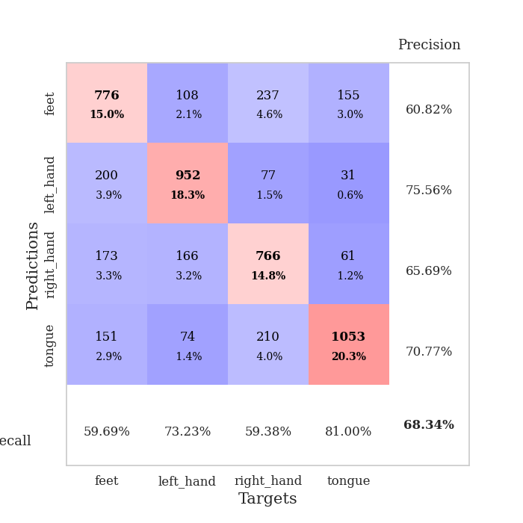

best_val_acc | best_val_los | best_test_acc
0.69749518304 | 0.93209152736 | 0.51133622769
0.66666666667 | 1.0105435784 | 0.50361794501
0.69942196532 | 0.88448415717 | 0.52821997106
0.69171483622 | 0.90072665623 | 0.52050168837
0.66281310212 | 0.99777666337 | 0.54269175109
0.66473988439 | 0.94122155645 | 0.50554751568
0.67437379576 | 0.93840889159 | 0.5171249397
0.70327552987 | 0.9254660178 | 0.53835021708
0.69942196532 | 0.90781773515 | 0.52484322238
0.67437379576 | 0.96690510073 | 0.50554751568

Mean,std Val accuracy is 0.6834296724470135 , 0.01630001623663116 and mean, std test accuracy is 0.5197780993728894 , 0.013791613022954372

Sheet1
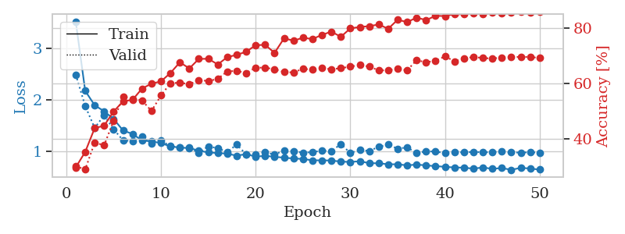
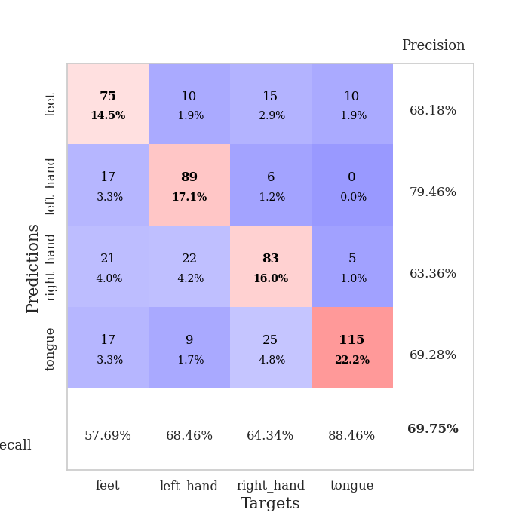
train_loss | valid_loss | train_accuracy | valid_accuracy | dur | train_misclass | valid_misclass
3.5256825119 | 2.4894770905 | 0.29822530864 | 0.30250481696 | 0.38455533981 | 29.822530864 | 30.250481696
2.1739947379 | 1.8793475444 | 0.3537808642 | 0.29094412331 | 0.36755299568 | 35.37808642 | 29.094412331
1.8928050339 | 1.449834045 | 0.43942901235 | 0.38728323699 | 0.36988854408 | 43.942901235 | 38.728323699
1.7758302569 | 1.699201275 | 0.44830246914 | 0.37764932563 | 0.38950395584 | 44.830246914 | 37.764932563
1.6259472609 | 1.4244345523 | 0.49922839506 | 0.46628131021 | 0.36261892319 | 49.922839506 | 46.628131021
1.4016054183 | 1.2106264997 | 0.53587962963 | 0.55298651252 | 0.36482596397 | 53.587962963 | 55.298651252
1.3340616345 | 1.1956053598 | 0.5412808642 | 0.54527938343 | 0.36847257614 | 54.12808642 | 54.527938343
1.2063709483 | 1.2820170348 | 0.58179012346 | 0.53949903661 | 0.36577224731 | 58.179012346 | 53.949903661
1.189376463 | 1.1473216813 | 0.59953703704 | 0.50096339114 | 0.37204694748 | 59.953703704 | 50.096339114
1.1554346621 | 1.2013191217 | 0.60763888889 | 0.55684007707 | 0.38061666489 | 60.763888889 | 55.684007707
1.0921499997 | 1.0987840637 | 0.63773148148 | 0.60115606936 | 0.37665653229 | 63.773148148 | 60.115606936
1.0682703316 | 1.0687661973 | 0.6763117284 | 0.60308285164 | 0.35817575455 | 67.63117284 | 60.308285164
1.0592407793 | 1.0670604347 | 0.65432098765 | 0.59730250482 | 0.3658413887 | 65.432098765 | 59.730250482
1.0086563751 | 0.96665323148 | 0.68865740741 | 0.61271676301 | 0.35418963432 | 68.865740741 | 61.271676301
0.97350209057 | 1.0926781649 | 0.68904320988 | 0.60886319846 | 0.36895632744 | 68.904320988 | 60.886319846
0.96247161627 | 1.054827636 | 0.66859567901 | 0.61657032755 | 0.40165448189 | 66.859567901 | 61.657032755
0.94989276379 | 0.98392099245 | 0.69483024691 | 0.64354527938 | 0.3687646389 | 69.483024691 | 64.354527938
0.91085883975 | 1.1259642699 | 0.70331790123 | 0.64547206166 | 0.36685848236 | 70.331790123 | 64.547206166
0.94217282981 | 0.93709697808 | 0.71412037037 | 0.63776493256 | 0.37184143066 | 71.412037037 | 63.776493256
0.89083904624 | 0.94162526078 | 0.73804012346 | 0.6570327553 | 0.3564646244 | 73.804012346 | 65.70327553
0.90839820206 | 0.98007443966 | 0.73919753086 | 0.6570327553 | 0.37994217873 | 73.919753086 | 65.70327553
0.88827739358 | 0.93209152736 | 0.71026234568 | 0.65125240848 | 0.36659932137 | 71.026234568 | 65.125240848
0.87233623266 | 1.0141313189 | 0.76273148148 | 0.64161849711 | 0.36834955215 | 76.273148148 | 64.161849711
0.85538861156 | 1.000955337 | 0.75424382716 | 0.63969171484 | 0.36157202721 | 75.424382716 | 63.969171484
0.84739536941 | 0.97000968089 | 0.76466049383 | 0.65317919075 | 0.36724448204 | 76.466049383 | 65.317919075
0.82026830763 | 0.97899024565 | 0.7600308642 | 0.6493256262 | 0.366928339 | 76.00308642 | 64.93256262
0.81980984956 | 1.0109300721 | 0.77507716049 | 0.65510597303 | 0.36579418182 | 77.507716049 | 65.510597303
0.81612129211 | 0.99855110824 | 0.78665123457 | 0.65125240848 | 0.36126375198 | 78.665123457 | 65.125240848
0.79536367655 | 1.1373156511 | 0.76813271605 | 0.65510597303 | 0.38437962532 | 76.813271605 | 65.510597303
0.78857437819 | 0.96180735135 | 0.79822530864 | 0.66088631985 | 0.36683726311 | 79.822530864 | 66.088631985
0.80199000388 | 1.0269121386 | 0.80362654321 | 0.66666666667 | 0.38466906548 | 80.362654321 | 66.666666667
0.76575126201 | 1.0016786097 | 0.80632716049 | 0.66088631985 | 0.35981011391 | 80.632716049 | 66.088631985
0.761740686 | 1.0842665248 | 0.8125 | 0.64739884393 | 0.36831593513 | 81.25 | 64.739884393
0.74397882074 | 1.1271677346 | 0.79706790123 | 0.64739884393 | 0.37084364891 | 79.706790123 | 64.739884393
0.74247615188 | 1.0456707544 | 0.82947530864 | 0.65317919075 | 0.36215877533 | 82.947530864 | 65.317919075
0.7227927506 | 1.0738552802 | 0.82098765432 | 0.64739884393 | 0.38200378418 | 82.098765432 | 64.739884393
0.73763504773 | 0.95851826162 | 0.83719135802 | 0.68400770713 | 0.38681960106 | 83.719135802 | 68.400770713
0.72206107378 | 0.99887052575 | 0.82831790123 | 0.67630057803 | 0.3692946434 | 82.831790123 | 67.630057803
0.70685896277 | 0.98860672535 | 0.84336419753 | 0.68208092486 | 0.37024831772 | 84.336419753 | 68.208092486
0.69410083592 | 0.96375452278 | 0.84297839506 | 0.69749518304 | 0.37379741669 | 84.297839506 | 69.749518304
0.68013938442 | 0.98543299737 | 0.84953703704 | 0.68015414258 | 0.36608934402 | 84.953703704 | 68.015414258
0.67803644687 | 0.97273993148 | 0.84915123457 | 0.68978805395 | 0.38358926773 | 84.915123457 | 68.978805395
0.65729604214 | 0.98561217721 | 0.85300925926 | 0.69556840077 | 0.3749434948 | 85.300925926 | 69.556840077
0.68165163547 | 0.9760242967 | 0.8487654321 | 0.69171483622 | 0.37246847153 | 84.87654321 | 69.171483622
0.65361516029 | 0.98076272769 | 0.85455246914 | 0.68978805395 | 0.36871600151 | 85.455246914 | 68.978805395
0.67068615779 | 0.99503604617 | 0.85416666667 | 0.6936416185 | 0.37595129013 | 85.416666667 | 69.36416185
0.63469086811 | 0.97294373802 | 0.85648148148 | 0.69556840077 | 0.37342453003 | 85.648148148 | 69.556840077
0.67436267436 | 0.9718930085 | 0.85725308642 | 0.69556840077 | 0.36235284805 | 85.725308642 | 69.556840077
0.65993447378 | 0.97629576451 | 0.85609567901 | 0.69556840077 | 0.37555527687 | 85.609567901 | 69.556840077
0.63932169303 | 0.97171001581 | 0.85725308642 | 0.69171483622 | 0.37847661972 | 85.725308642 | 69.171483622

Best Val accuracy is 0.697495183044316 and Best test accuracy is 0.5113362276893392

Sheet2
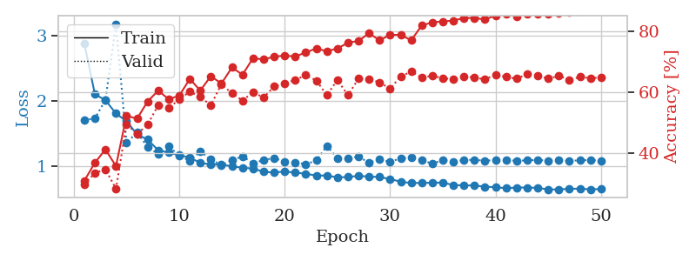
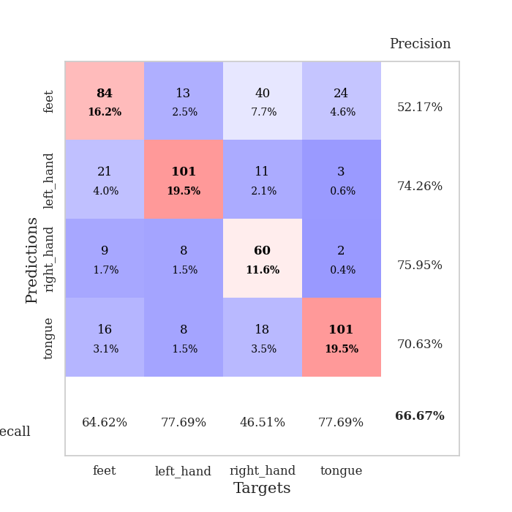
train_loss | valid_loss | train_accuracy | valid_accuracy | dur | train_misclass | valid_misclass
2.8782151222 | 1.7042282319 | 0.30941358025 | 0.29865125241 | 0.37640762329 | 30.941358025 | 29.865125241
2.0996468008 | 1.725478079 | 0.36844135802 | 0.33526011561 | 0.3644926548 | 36.844135802 | 33.526011561
2.0070940018 | 2.0118875536 | 0.41203703704 | 0.34682080925 | 0.36752963066 | 41.203703704 | 34.682080925
1.8032310992 | 3.1784473517 | 0.35763888889 | 0.28323699422 | 0.37811279297 | 35.763888889 | 28.323699422
1.6831211001 | 1.3485727062 | 0.52237654321 | 0.49518304432 | 0.38334679604 | 52.237654321 | 49.518304432
1.4829258054 | 1.5166192769 | 0.51273148148 | 0.46242774566 | 0.35791611671 | 51.273148148 | 46.242774566
1.4021699101 | 1.284863115 | 0.56905864198 | 0.49325626204 | 0.35998129845 | 56.905864198 | 49.325626204
1.2401441708 | 1.1849606205 | 0.60455246914 | 0.55684007707 | 0.3744738102 | 60.455246914 | 55.684007707
1.2013836429 | 1.2960994949 | 0.57677469136 | 0.5472061657 | 0.36360764503 | 57.677469136 | 54.72061657
1.1637837201 | 1.1607697367 | 0.58796296296 | 0.57610789981 | 0.35319471359 | 58.796296296 | 57.610789981
1.1266458973 | 1.0739634852 | 0.64274691358 | 0.60115606936 | 0.38604569435 | 64.274691358 | 60.115606936
1.0455940902 | 1.2206549465 | 0.6049382716 | 0.5838150289 | 0.36056947708 | 60.49382716 | 58.38150289
1.0188088372 | 1.095365067 | 0.65200617284 | 0.55684007707 | 0.36401200294 | 65.200617284 | 55.684007707
1.0193749815 | 1.0105435784 | 0.62770061728 | 0.62620423892 | 0.35349059105 | 62.770061728 | 62.620423892
0.99126422107 | 1.0833441026 | 0.68055555556 | 0.59537572254 | 0.37133336067 | 68.055555556 | 59.537572254
0.96979506612 | 1.1452374791 | 0.65663580247 | 0.57225433526 | 0.37892842293 | 65.663580247 | 57.225433526
0.95716782957 | 1.0378143117 | 0.71103395062 | 0.59922928709 | 0.36339998245 | 71.103395062 | 59.922928709
0.90833077133 | 1.0879378888 | 0.70640432099 | 0.58188824663 | 0.39512848854 | 70.640432099 | 58.188824663
0.89549417198 | 1.1190459267 | 0.71604938272 | 0.61849710983 | 0.38539981842 | 71.604938272 | 61.849710983
0.91307745129 | 1.0646801854 | 0.71913580247 | 0.62813102119 | 0.38471150398 | 71.913580247 | 62.813102119
0.89413452744 | 1.0533930897 | 0.71643518519 | 0.63969171484 | 0.36397051811 | 71.643518519 | 63.969171484
0.87896048576 | 1.0234736597 | 0.72955246914 | 0.65510597303 | 0.36338543892 | 72.955246914 | 65.510597303
0.84838834107 | 1.0809367548 | 0.74266975309 | 0.63776493256 | 0.36683988571 | 74.266975309 | 63.776493256
0.85195580572 | 1.3048947409 | 0.73341049383 | 0.58959537572 | 0.38612318039 | 73.341049383 | 58.959537572
0.82137986422 | 1.1177708589 | 0.74266975309 | 0.63969171484 | 0.36971092224 | 74.266975309 | 63.969171484
0.82813614458 | 1.1123342004 | 0.7611882716 | 0.58959537572 | 0.36882710457 | 76.11882716 | 58.959537572
0.84485482424 | 1.14011909 | 0.76736111111 | 0.64354527938 | 0.37373399734 | 76.736111111 | 64.354527938
0.83436051756 | 1.0473982162 | 0.7924382716 | 0.64161849711 | 0.37500190735 | 79.24382716 | 64.161849711
0.82750925124 | 1.0974655597 | 0.76929012346 | 0.63198458574 | 0.36328911781 | 76.929012346 | 63.198458574
0.79582668841 | 1.0602498652 | 0.78742283951 | 0.61078998073 | 0.38088035583 | 78.742283951 | 61.078998073
0.75601216108 | 1.1154052671 | 0.78703703704 | 0.65125240848 | 0.35552239418 | 78.703703704 | 65.125240848
0.73428068906 | 1.1219541509 | 0.76929012346 | 0.66666666667 | 0.35415148735 | 76.929012346 | 66.666666667
0.73793378174 | 1.0920019265 | 0.81790123457 | 0.64739884393 | 0.37221169472 | 81.790123457 | 64.739884393
0.73988439441 | 1.028421469 | 0.82793209877 | 0.65317919075 | 0.35415959358 | 82.793209877 | 65.317919075
0.74162786603 | 1.0910679159 | 0.83140432099 | 0.64547206166 | 0.39243102074 | 83.140432099 | 64.547206166
0.70389705449 | 1.0599663219 | 0.8337191358 | 0.64161849711 | 0.37706375122 | 83.37191358 | 64.161849711
0.69903208315 | 1.0916943265 | 0.84259259259 | 0.65125240848 | 0.37333512306 | 84.259259259 | 65.125240848
0.69742419422 | 1.0897107958 | 0.84220679012 | 0.64739884393 | 0.37031269073 | 84.220679012 | 64.739884393
0.67870053053 | 1.0806102151 | 0.83757716049 | 0.64161849711 | 0.37572669983 | 83.757716049 | 64.161849711
0.67148830295 | 1.0845335288 | 0.85069444444 | 0.6570327553 | 0.36887955666 | 85.069444444 | 65.70327553
0.65588516667 | 1.0870538047 | 0.85648148148 | 0.6493256262 | 0.38260364532 | 85.648148148 | 64.93256262
0.66539169848 | 1.0770121475 | 0.84760802469 | 0.64354527938 | 0.38165807724 | 84.760802469 | 64.354527938
0.66622536182 | 1.0834588844 | 0.85648148148 | 0.65895953757 | 0.35725593567 | 85.648148148 | 65.895953757
0.66019100547 | 1.0904987465 | 0.85648148148 | 0.65317919075 | 0.37212061882 | 85.648148148 | 65.317919075
0.63720462173 | 1.0761591864 | 0.85570987654 | 0.64354527938 | 0.38047933578 | 85.570987654 | 64.354527938
0.63680625483 | 1.085504921 | 0.85918209877 | 0.65317919075 | 0.36281394958 | 85.918209877 | 65.317919075
0.64703191295 | 1.0743355315 | 0.86226851852 | 0.63969171484 | 0.35587477684 | 86.226851852 | 63.969171484
0.64882276058 | 1.0851385437 | 0.86458333333 | 0.6493256262 | 0.3719227314 | 86.458333333 | 64.93256262
0.6378171593 | 1.088552741 | 0.86612654321 | 0.64547206166 | 0.3765001297 | 86.612654321 | 64.547206166
0.64240693152 | 1.0774669748 | 0.86689814815 | 0.64739884393 | 0.36904764175 | 86.689814815 | 64.739884393

Best Val accuracy is 0.6666666666666666 and Best test accuracy is 0.5036179450072359

Sheet3
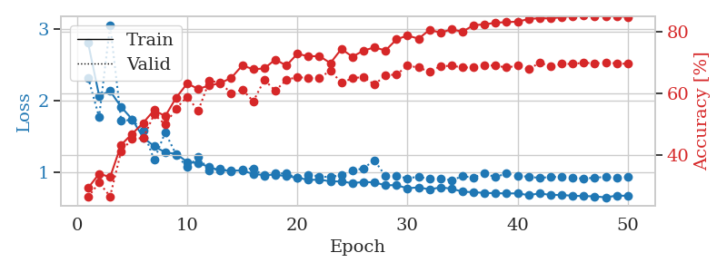
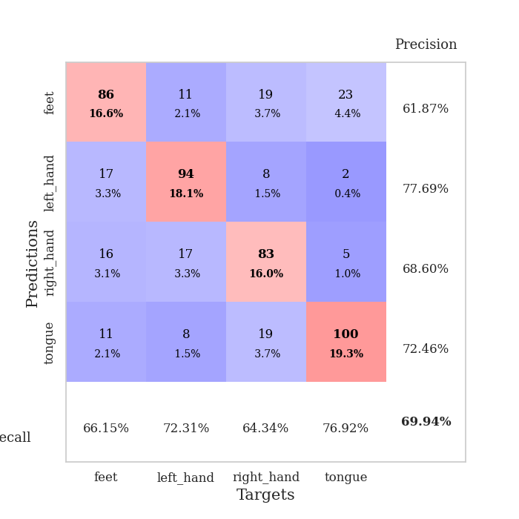
train_loss | valid_loss | train_accuracy | valid_accuracy | dur | train_misclass | valid_misclass
2.8055546463 | 2.3192262447 | 0.29282407407 | 0.26396917148 | 0.36938452721 | 29.282407407 | 26.396917148
2.0656606495 | 1.767519424 | 0.33950617284 | 0.31021194605 | 0.36190748215 | 33.950617284 | 31.021194605
2.1323296756 | 3.0563198112 | 0.32831790123 | 0.26589595376 | 0.37904763222 | 32.831790123 | 26.589595376
1.9091422856 | 1.7200652662 | 0.43325617284 | 0.41233140655 | 0.36867260933 | 43.325617284 | 41.233140655
1.737135458 | 1.725598632 | 0.46875 | 0.4527938343 | 0.36571645737 | 46.875 | 45.27938343
1.4809854984 | 1.5780321725 | 0.50424382716 | 0.45472061657 | 0.35924911499 | 50.424382716 | 45.472061657
1.3603199929 | 1.1686385558 | 0.54591049383 | 0.53179190751 | 0.36172294617 | 54.591049383 | 53.179190751
1.2745115697 | 1.5532517245 | 0.52584876543 | 0.49903660886 | 0.3669230938 | 52.584876543 | 49.903660886
1.2528085217 | 1.2414815068 | 0.58641975309 | 0.55105973025 | 0.36417603493 | 58.641975309 | 55.105973025
1.140291284 | 1.0702921308 | 0.63194444444 | 0.58959537572 | 0.37300729752 | 63.194444444 | 58.959537572
1.1234900415 | 1.2056089132 | 0.61458333333 | 0.54335260116 | 0.3850235939 | 61.458333333 | 54.335260116
1.0713817298 | 1.0229704901 | 0.62538580247 | 0.63969171484 | 0.35328006744 | 62.538580247 | 63.969171484
1.0179177344 | 1.0489651208 | 0.63310185185 | 0.63583815029 | 0.36152553558 | 63.310185185 | 63.583815029
1.022447218 | 1.0024363119 | 0.65046296296 | 0.59922928709 | 0.35744142532 | 65.046296296 | 59.922928709
1.018535392 | 1.0376110037 | 0.69058641975 | 0.61271676301 | 0.38185071945 | 69.058641975 | 61.271676301
0.97293027341 | 1.0510708578 | 0.67824074074 | 0.57418111753 | 0.37140965462 | 67.824074074 | 57.418111753
0.95618857592 | 0.93921098842 | 0.68094135802 | 0.64354527938 | 0.37568473816 | 68.094135802 | 64.354527938
0.96318032444 | 0.97777289095 | 0.70987654321 | 0.60886319846 | 0.37216114998 | 70.987654321 | 60.886319846
0.94033371955 | 0.97935838759 | 0.69020061728 | 0.64354527938 | 0.36227631569 | 69.020061728 | 64.354527938
0.92022966146 | 0.91523373724 | 0.72839506173 | 0.65317919075 | 0.36296629906 | 72.839506173 | 65.317919075
0.88994315118 | 0.96133493677 | 0.72029320988 | 0.6493256262 | 0.36301445961 | 72.029320988 | 64.93256262
0.89152444452 | 0.93826922585 | 0.72106481481 | 0.6493256262 | 0.36800312996 | 72.106481481 | 64.93256262
0.87024340034 | 0.92755678784 | 0.69830246914 | 0.67437379576 | 0.36299300194 | 69.830246914 | 67.437379576
0.8674832508 | 0.95971678792 | 0.74421296296 | 0.63391136802 | 0.36801815033 | 74.421296296 | 63.391136802
0.84283509851 | 1.015874246 | 0.71875 | 0.6493256262 | 0.36879944801 | 71.875 | 64.93256262
0.86136402786 | 1.0520620805 | 0.7388117284 | 0.65317919075 | 0.37162566185 | 73.88117284 | 65.317919075
0.85381933153 | 1.1641400756 | 0.74922839506 | 0.62813102119 | 0.36520934105 | 74.922839506 | 62.813102119
0.81420179158 | 0.94197054934 | 0.73919753086 | 0.65895953757 | 0.37814855576 | 73.919753086 | 65.895953757
0.81615617126 | 0.9391481355 | 0.77507716049 | 0.66088631985 | 0.37261199951 | 77.507716049 | 66.088631985
0.77070785612 | 0.91309759865 | 0.78780864198 | 0.68978805395 | 0.3565132618 | 78.780864198 | 68.978805395
0.78628084809 | 0.93307034037 | 0.77739197531 | 0.68400770713 | 0.38433694839 | 77.739197531 | 68.400770713
0.75569235235 | 0.90228212201 | 0.80594135802 | 0.67052023121 | 0.3693292141 | 80.594135802 | 67.052023121
0.78515751958 | 0.90577764387 | 0.7974537037 | 0.68786127168 | 0.36288070679 | 79.74537037 | 68.786127168
0.76615298092 | 0.88448415717 | 0.8074845679 | 0.68978805395 | 0.37059044838 | 80.74845679 | 68.978805395
0.72454578429 | 0.94040730004 | 0.80015432099 | 0.68400770713 | 0.38414216042 | 80.015432099 | 68.400770713
0.71759942695 | 0.92249936313 | 0.82137345679 | 0.68400770713 | 0.36490011215 | 82.137345679 | 68.400770713
0.70709123313 | 0.98014694716 | 0.8236882716 | 0.69171483622 | 0.35894632339 | 82.36882716 | 69.171483622
0.70416870564 | 0.92685748548 | 0.82947530864 | 0.68978805395 | 0.37493109703 | 82.947530864 | 68.978805395
0.69925182313 | 0.98318730292 | 0.83101851852 | 0.68400770713 | 0.36414933205 | 83.101851852 | 68.400770713
0.701600945 | 0.9402367189 | 0.83294753086 | 0.68978805395 | 0.37712550163 | 83.294753086 | 68.978805395
0.67586616501 | 0.9361300225 | 0.84104938272 | 0.67822736031 | 0.37519168854 | 84.104938272 | 67.822736031
0.70039554685 | 0.91410855705 | 0.84413580247 | 0.69942196532 | 0.35422825813 | 84.413580247 | 69.942196532
0.67875786498 | 0.93325193103 | 0.84297839506 | 0.68786127168 | 0.36216282845 | 84.297839506 | 68.786127168
0.67911898419 | 0.92691568465 | 0.84760802469 | 0.69556840077 | 0.36334466934 | 84.760802469 | 69.556840077
0.66687289625 | 0.92115326194 | 0.85030864198 | 0.69556840077 | 0.37151861191 | 85.030864198 | 69.556840077
0.66324691027 | 0.9052875839 | 0.85416666667 | 0.69942196532 | 0.37420701981 | 85.416666667 | 69.942196532
0.6588153027 | 0.92138500779 | 0.84992283951 | 0.69749518304 | 0.37714004517 | 84.992283951 | 69.749518304
0.64418700114 | 0.92986346508 | 0.85069444444 | 0.69942196532 | 0.36718893051 | 85.069444444 | 69.942196532
0.66998397261 | 0.91782546204 | 0.85069444444 | 0.69749518304 | 0.36724877357 | 85.069444444 | 69.749518304
0.66633466706 | 0.92933769607 | 0.84799382716 | 0.69556840077 | 0.36643028259 | 84.799382716 | 69.556840077

Best Val accuracy is 0.6994219653179191 and Best test accuracy is 0.5282199710564399

Sheet4
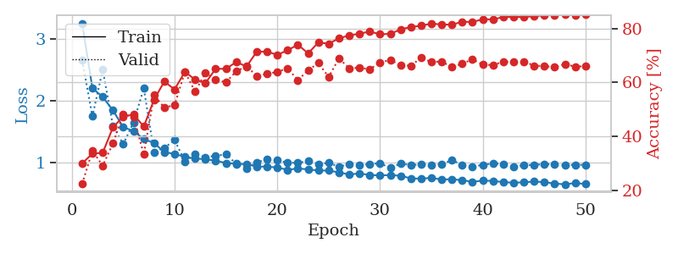
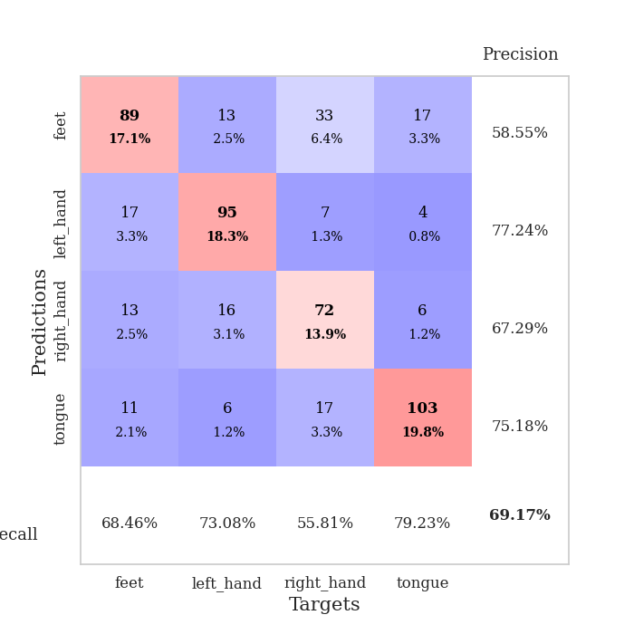
train_loss | valid_loss | train_accuracy | valid_accuracy | dur | train_misclass | valid_misclass
3.2513647974 | 2.6518142398 | 0.29976851852 | 0.22350674374 | 0.37305855751 | 29.976851852 | 22.350674374
2.2010256857 | 1.7454088848 | 0.33603395062 | 0.34682080925 | 0.37876367569 | 33.603395062 | 34.682080925
2.0603230357 | 2.5003930006 | 0.33912037037 | 0.29094412331 | 0.36979460716 | 33.912037037 | 29.094412331
1.8415228069 | 1.5889351021 | 0.43364197531 | 0.37379576108 | 0.36711025238 | 43.364197531 | 37.379576108
1.571010986 | 1.2957845956 | 0.4737654321 | 0.4816955684 | 0.37688350677 | 47.37654321 | 48.16955684
1.5076187998 | 1.6453760699 | 0.48109567901 | 0.47206165703 | 0.3512597084 | 48.109567901 | 47.206165703
1.3771533072 | 2.1990388751 | 0.43672839506 | 0.33333333333 | 0.36171245575 | 43.672839506 | 33.333333333
1.3134759128 | 1.1642181399 | 0.53665123457 | 0.55298651252 | 0.36372518539 | 53.665123457 | 55.298651252
1.1667662144 | 1.23578678 | 0.6037808642 | 0.50674373796 | 0.36430335045 | 60.37808642 | 50.674373796
1.1370310292 | 1.3611788088 | 0.57445987654 | 0.51637764933 | 0.35238099098 | 57.445987654 | 51.637764933
1.0895457998 | 1.0168924674 | 0.6400462963 | 0.63969171484 | 0.36747360229 | 64.00462963 | 63.969171484
1.0645223856 | 1.1314761641 | 0.61072530864 | 0.56647398844 | 0.37587475777 | 61.072530864 | 56.647398844
1.0496359527 | 1.0846746384 | 0.59799382716 | 0.63583815029 | 0.38015580177 | 59.799382716 | 63.583815029
1.02872798 | 1.1059805542 | 0.6512345679 | 0.61078998073 | 0.38242745399 | 65.12345679 | 61.078998073
0.98962215185 | 1.1315789365 | 0.65084876543 | 0.60115606936 | 0.35836029053 | 65.084876543 | 60.115606936
0.97894652486 | 0.97683538844 | 0.6763117284 | 0.64161849711 | 0.35915899277 | 67.63117284 | 64.161849711
0.9704360038 | 0.90072665623 | 0.65972222222 | 0.66088631985 | 0.36316204071 | 65.972222222 | 66.088631985
0.93390873075 | 0.99938765266 | 0.71450617284 | 0.62427745665 | 0.36004066467 | 71.450617284 | 62.427745665
0.93075836599 | 1.0539766744 | 0.71489197531 | 0.63198458574 | 0.35632157326 | 71.489197531 | 63.198458574
0.91831031442 | 1.0328321689 | 0.70293209877 | 0.63969171484 | 0.35328292847 | 70.293209877 | 63.969171484
0.87948524654 | 0.99803150596 | 0.71990740741 | 0.65317919075 | 0.38517642021 | 71.990740741 | 65.317919075
0.90214379877 | 0.99149966872 | 0.74074074074 | 0.60886319846 | 0.36428427696 | 74.074074074 | 60.886319846
0.88717381507 | 1.0233210526 | 0.70833333333 | 0.64547206166 | 0.36062788963 | 70.833333333 | 64.547206166
0.86806646585 | 0.9758340048 | 0.74922839506 | 0.67244701349 | 0.35357403755 | 74.922839506 | 67.244701349
0.86777486652 | 0.9908881594 | 0.74421296296 | 0.6204238921 | 0.37463617325 | 74.421296296 | 62.04238921
0.83874280155 | 0.93162876012 | 0.76427469136 | 0.68978805395 | 0.36093759537 | 76.427469136 | 68.978805395
0.80412010252 | 0.97161000703 | 0.77507716049 | 0.65317919075 | 0.36444854736 | 77.507716049 | 65.317919075
0.82234069705 | 0.95671692565 | 0.78163580247 | 0.65510597303 | 0.37373900414 | 78.163580247 | 65.510597303
0.79537686855 | 0.97109302115 | 0.78935185185 | 0.6493256262 | 0.36939954758 | 78.935185185 | 64.93256262
0.7904922694 | 0.98738025815 | 0.77932098765 | 0.67437379576 | 0.38154363632 | 77.932098765 | 67.437379576
0.79489045143 | 0.90890217999 | 0.78086419753 | 0.68400770713 | 0.35839271545 | 78.086419753 | 68.400770713
0.78451945782 | 0.98166527707 | 0.7974537037 | 0.66473988439 | 0.35202145576 | 79.74537037 | 66.473988439
0.74100301266 | 0.95586803355 | 0.80632716049 | 0.66281310212 | 0.36679530144 | 80.632716049 | 66.281310212
0.73682182282 | 0.96908084758 | 0.81095679012 | 0.69171483622 | 0.37031507492 | 81.095679012 | 69.171483622
0.74934408516 | 0.95250890136 | 0.81905864198 | 0.67630057803 | 0.34864449501 | 81.905864198 | 67.630057803
0.72344529033 | 0.97414016149 | 0.81558641975 | 0.67822736031 | 0.36559414864 | 81.558641975 | 67.822736031
0.72765283436 | 1.0345758457 | 0.81520061728 | 0.6570327553 | 0.37466263771 | 81.520061728 | 65.70327553
0.71123838574 | 0.96271190983 | 0.82561728395 | 0.67052023121 | 0.36129426956 | 82.561728395 | 67.052023121
0.68632549644 | 0.93423387288 | 0.82523148148 | 0.6859344894 | 0.37146115303 | 82.523148148 | 68.59344894
0.7042678684 | 0.95913182495 | 0.83487654321 | 0.66666666667 | 0.37156009674 | 83.487654321 | 66.666666667
0.70118749291 | 0.98293840655 | 0.83449074074 | 0.66473988439 | 0.36808562279 | 83.449074074 | 66.473988439
0.68031711504 | 0.97491293698 | 0.84336419753 | 0.67822736031 | 0.34972119331 | 84.336419753 | 67.822736031
0.67129099071 | 0.92832312579 | 0.84413580247 | 0.67630057803 | 0.36070728302 | 84.413580247 | 67.630057803
0.67796527892 | 0.95841324697 | 0.84297839506 | 0.67822736031 | 0.38114094734 | 84.297839506 | 67.822736031
0.69008349106 | 0.95734393551 | 0.84722222222 | 0.66281310212 | 0.36735296249 | 84.722222222 | 66.281310212
0.68088163137 | 0.97528860059 | 0.84915123457 | 0.66088631985 | 0.3795311451 | 84.915123457 | 66.088631985
0.65804322958 | 0.96334925346 | 0.85069444444 | 0.6570327553 | 0.38581895828 | 85.069444444 | 65.70327553
0.64476140887 | 0.9569133047 | 0.85416666667 | 0.66859344894 | 0.3773458004 | 85.416666667 | 66.859344894
0.66642927527 | 0.96159716447 | 0.85108024691 | 0.65895953757 | 0.36959242821 | 85.108024691 | 65.895953757
0.65052608475 | 0.96018682785 | 0.85300925926 | 0.66088631985 | 0.37235760689 | 85.300925926 | 66.088631985

Best Val accuracy is 0.6917148362235067 and Best test accuracy is 0.5205016883743367

Sheet5
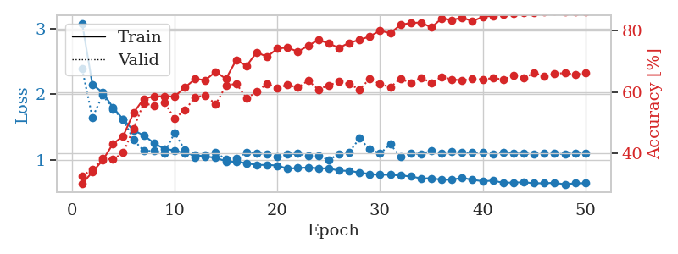
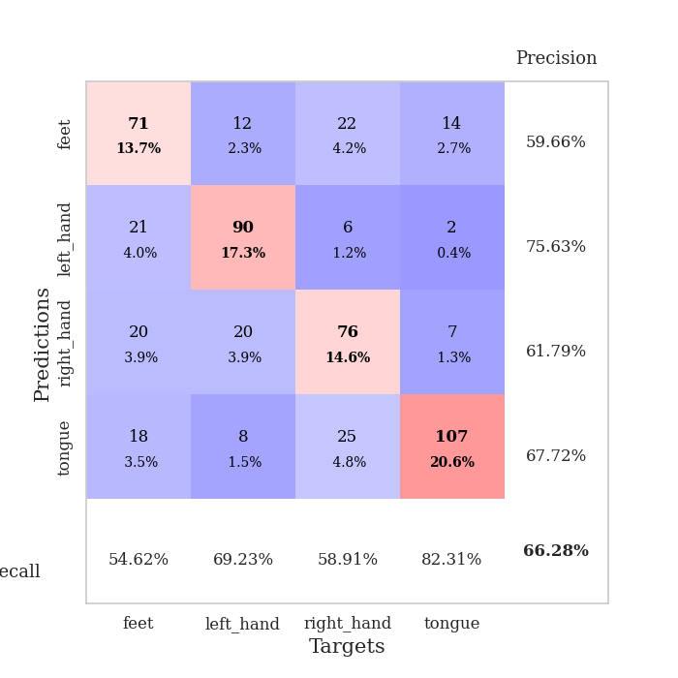
train_loss | valid_loss | train_accuracy | valid_accuracy | dur | train_misclass | valid_misclass
3.0826075852 | 2.3886045119 | 0.30208333333 | 0.32755298651 | 0.36376214027 | 30.208333333 | 32.755298651
2.1500040442 | 1.6458135434 | 0.34027777778 | 0.34874759152 | 0.36730980873 | 34.027777778 | 34.874759152
2.0300778687 | 1.9924118461 | 0.37847222222 | 0.38342967245 | 0.38129520416 | 37.847222222 | 38.342967245
1.8008774042 | 1.7711185706 | 0.43171296296 | 0.38150289017 | 0.36922550201 | 43.171296296 | 38.150289017
1.6191013634 | 1.616924318 | 0.45717592593 | 0.40269749518 | 0.36570429802 | 45.717592593 | 40.269749518
1.4509182036 | 1.3093995892 | 0.53240740741 | 0.4816955684 | 0.36163473129 | 53.240740741 | 48.16955684
1.3758695811 | 1.1377326597 | 0.5787037037 | 0.56454720617 | 0.34952735901 | 57.87037037 | 56.454720617
1.2573661387 | 1.1372050766 | 0.58641975309 | 0.5549132948 | 0.3472905159 | 58.641975309 | 55.49132948
1.1684757143 | 1.1034569348 | 0.58680555556 | 0.56647398844 | 0.37843155861 | 58.680555556 | 56.647398844
1.1473331064 | 1.4106955156 | 0.58564814815 | 0.51445086705 | 0.36895036697 | 58.564814815 | 51.445086705
1.0988896698 | 1.1556467936 | 0.61535493827 | 0.54142581888 | 0.37169981003 | 61.535493827 | 54.142581888
1.0784001216 | 1.0398143348 | 0.64274691358 | 0.5838150289 | 0.37595486641 | 64.274691358 | 58.38150289
1.0518264756 | 1.0814386576 | 0.63927469136 | 0.58959537572 | 0.37203860283 | 63.927469136 | 58.959537572
1.0362369269 | 1.1110801297 | 0.6662808642 | 0.56069364162 | 0.36291003227 | 66.62808642 | 56.069364162
0.97856953442 | 1.0110382358 | 0.64313271605 | 0.6204238921 | 0.36077141762 | 64.313271605 | 62.04238921
0.9729936555 | 1.0315627227 | 0.70447530864 | 0.62813102119 | 0.36303257942 | 70.447530864 | 62.813102119
0.95210901499 | 1.1095370272 | 0.68518518519 | 0.57996146435 | 0.3487432003 | 68.518518519 | 57.996146435
0.92391040176 | 1.0975012692 | 0.7299382716 | 0.60115606936 | 0.37118148804 | 72.99382716 | 60.115606936
0.92586584389 | 1.0949800284 | 0.71450617284 | 0.62813102119 | 0.36562728882 | 71.450617284 | 62.813102119
0.91582444012 | 1.047094174 | 0.74189814815 | 0.61271676301 | 0.38488006592 | 74.189814815 | 61.271676301
0.86771628857 | 1.0848580879 | 0.7449845679 | 0.62427745665 | 0.38239169121 | 74.49845679 | 62.427745665
0.87747066617 | 1.097374886 | 0.73148148148 | 0.61464354528 | 0.37422132492 | 73.148148148 | 61.464354528
0.88575991839 | 1.0588783435 | 0.75077160494 | 0.63776493256 | 0.37078714371 | 75.077160494 | 63.776493256
0.87450934201 | 1.0686425949 | 0.76967592593 | 0.60886319846 | 0.36832332611 | 76.967592593 | 60.886319846
0.8702388078 | 0.99777666337 | 0.75848765432 | 0.62235067437 | 0.36912035942 | 75.848765432 | 62.235067437
0.83964067847 | 1.0939366367 | 0.74382716049 | 0.63391136802 | 0.37152814865 | 74.382716049 | 63.391136802
0.83382070065 | 1.116439721 | 0.76041666667 | 0.62620423892 | 0.37430143356 | 76.041666667 | 62.620423892
0.80973933488 | 1.3295744488 | 0.76967592593 | 0.60886319846 | 0.36001157761 | 76.967592593 | 60.886319846
0.78603819907 | 1.162724389 | 0.78125 | 0.64354527938 | 0.37844634056 | 78.125 | 64.354527938
0.77529279888 | 1.0975745655 | 0.80015432099 | 0.62620423892 | 0.37529659271 | 80.015432099 | 62.620423892
0.77625410408 | 1.238705096 | 0.7912808642 | 0.61657032755 | 0.37019777298 | 79.12808642 | 61.657032755
0.76292329729 | 1.0460433854 | 0.81905864198 | 0.64354527938 | 0.3616797924 | 81.905864198 | 64.354527938
0.75079479963 | 1.0982771267 | 0.82484567901 | 0.63005780347 | 0.38239526749 | 82.484567901 | 63.005780347
0.71890473068 | 1.0921929544 | 0.82638888889 | 0.64739884393 | 0.36247158051 | 82.638888889 | 64.739884393
0.72231162786 | 1.1410640981 | 0.81018518519 | 0.63005780347 | 0.39180970192 | 81.018518519 | 63.005780347
0.69982754737 | 1.1048150318 | 0.83950617284 | 0.6493256262 | 0.35903024673 | 83.950617284 | 64.93256262
0.70131383091 | 1.1281559343 | 0.83449074074 | 0.64161849711 | 0.37859177589 | 83.449074074 | 64.161849711
0.72811265588 | 1.109600668 | 0.84220679012 | 0.63776493256 | 0.36912202835 | 84.220679012 | 63.776493256
0.69806853831 | 1.1116040033 | 0.83063271605 | 0.64354527938 | 0.37894868851 | 83.063271605 | 64.354527938
0.6766782172 | 1.1137699263 | 0.84452160494 | 0.64161849711 | 0.37479686737 | 84.452160494 | 64.161849711
0.68544145226 | 1.0948757471 | 0.84837962963 | 0.64547206166 | 0.37262248993 | 84.837962963 | 64.547206166
0.65223687887 | 1.1100346316 | 0.85339506173 | 0.64161849711 | 0.36535024643 | 85.339506173 | 64.161849711
0.65784050971 | 1.0990550817 | 0.85609567901 | 0.65317919075 | 0.37943696976 | 85.609567901 | 65.317919075
0.65950357318 | 1.0971333549 | 0.85918209877 | 0.64547206166 | 0.36088490486 | 85.918209877 | 64.547206166
0.64747753292 | 1.0916019768 | 0.8587962963 | 0.66281310212 | 0.36503052711 | 85.87962963 | 66.281310212
0.6455809027 | 1.1064304676 | 0.86072530864 | 0.65125240848 | 0.37911272049 | 86.072530864 | 65.125240848
0.65340899229 | 1.097383309 | 0.8649691358 | 0.65895953757 | 0.36247301102 | 86.49691358 | 65.895953757
0.62922242954 | 1.0899774431 | 0.8599537037 | 0.66281310212 | 0.36737322807 | 85.99537037 | 66.281310212
0.64551100284 | 1.1027899556 | 0.86188271605 | 0.6570327553 | 0.38584017754 | 86.188271605 | 65.70327553
0.64722438455 | 1.1002597106 | 0.86033950617 | 0.66281310212 | 0.38006973267 | 86.033950617 | 66.281310212

Best Val accuracy is 0.6628131021194605 and Best test accuracy is 0.5426917510853835

Sheet6
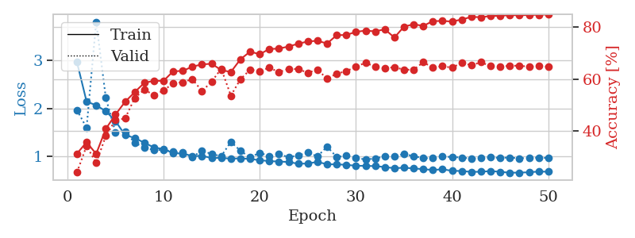
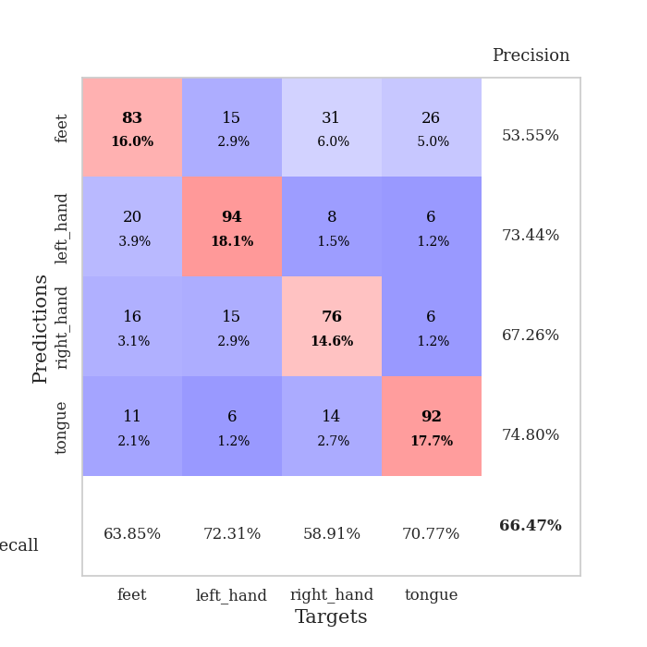
train_loss | valid_loss | train_accuracy | valid_accuracy | dur | train_misclass | valid_misclass
2.9637692332 | 1.9697059145 | 0.31172839506 | 0.23892100193 | 0.37919211388 | 31.172839506 | 23.892100193
2.1453203261 | 1.5985608151 | 0.35532407407 | 0.34104046243 | 0.36844682693 | 35.532407407 | 34.104046243
2.0664418608 | 3.7997986531 | 0.31057098765 | 0.27552986513 | 0.37618112564 | 31.057098765 | 27.552986513
1.9456016749 | 2.2224093981 | 0.40702160494 | 0.3795761079 | 0.40085411072 | 40.702160494 | 37.95761079
1.7402785331 | 1.5067987961 | 0.46219135802 | 0.44123314066 | 0.36821198463 | 46.219135802 | 44.123314066
1.4515578896 | 1.5269227065 | 0.51157407407 | 0.44701348748 | 0.36368155479 | 51.157407407 | 44.701348748
1.3883121729 | 1.290862051 | 0.54899691358 | 0.52601156069 | 0.3721370697 | 54.899691358 | 52.601156069
1.2903058812 | 1.1864322566 | 0.58487654321 | 0.55876685934 | 0.36668014526 | 58.487654321 | 55.876685934
1.1920590103 | 1.137257072 | 0.59297839506 | 0.53757225434 | 0.37747454643 | 59.297839506 | 53.757225434
1.158075878 | 1.1396038785 | 0.59259259259 | 0.5549132948 | 0.37338137627 | 59.259259259 | 55.49132948
1.0747544006 | 1.1016458023 | 0.62962962963 | 0.5838150289 | 0.37303447723 | 62.962962963 | 58.38150289
1.0644146785 | 1.086288262 | 0.63117283951 | 0.58766859345 | 0.38619017601 | 63.117283951 | 58.766859345
1.0143752009 | 0.99307755997 | 0.64776234568 | 0.59922928709 | 0.36145806313 | 64.776234568 | 59.922928709
1.016125606 | 1.1270473013 | 0.65625 | 0.55298651252 | 0.37639927864 | 65.625 | 55.298651252
0.97377572954 | 1.0542234079 | 0.65895061728 | 0.58959537572 | 0.36595034599 | 65.895061728 | 58.959537572
0.9742653802 | 1.0122834175 | 0.63425925926 | 0.63969171484 | 0.36442303658 | 63.425925926 | 63.969171484
0.95946739614 | 1.3070104258 | 0.62692901235 | 0.53564547206 | 0.36426520348 | 62.692901235 | 53.564547206
0.96533554643 | 1.1228595997 | 0.6763117284 | 0.59922928709 | 0.36239814758 | 67.63117284 | 59.922928709
0.95143808424 | 0.98498708963 | 0.70563271605 | 0.63583815029 | 0.36274242401 | 70.563271605 | 63.583815029
0.92809980214 | 1.0818181052 | 0.69560185185 | 0.63005780347 | 0.35896706581 | 69.560185185 | 63.005780347
0.90775396675 | 1.0104888198 | 0.71604938272 | 0.64354527938 | 0.37739467621 | 71.604938272 | 64.354527938
0.89989502132 | 1.050503417 | 0.71720679012 | 0.62620423892 | 0.36430478096 | 71.720679012 | 62.620423892
0.88972609788 | 0.99120163986 | 0.72569444444 | 0.63969171484 | 0.37549781799 | 72.569444444 | 63.969171484
0.85382173508 | 1.0263926331 | 0.73611111111 | 0.63776493256 | 0.37467384338 | 73.611111111 | 63.776493256
0.85833948404 | 1.084058008 | 0.7449845679 | 0.62427745665 | 0.37498474121 | 74.49845679 | 62.427745665
0.89237044752 | 1.0059847067 | 0.74768518519 | 0.63583815029 | 0.373483181 | 74.768518519 | 63.583815029
0.84245050251 | 1.2076548143 | 0.73688271605 | 0.60115606936 | 0.36332321167 | 73.688271605 | 60.115606936
0.84110170305 | 0.99542230678 | 0.76929012346 | 0.6204238921 | 0.37458658218 | 76.929012346 | 62.04238921
0.83092788905 | 1.0179445059 | 0.7700617284 | 0.63005780347 | 0.36938858032 | 77.00617284 | 63.005780347
0.81172745228 | 0.97576050676 | 0.78202160494 | 0.64739884393 | 0.36804652214 | 78.202160494 | 64.739884393
0.80960419625 | 0.94122155645 | 0.78703703704 | 0.66281310212 | 0.37304639816 | 78.703703704 | 66.281310212
0.80425353944 | 0.96253472992 | 0.78395061728 | 0.64739884393 | 0.37407779694 | 78.395061728 | 64.739884393
0.78470655978 | 1.0068928828 | 0.79205246914 | 0.64161849711 | 0.36506819725 | 79.205246914 | 64.161849711
0.76090226322 | 1.005163849 | 0.7600308642 | 0.64547206166 | 0.35868382454 | 76.00308642 | 64.547206166
0.77124568373 | 1.0548156493 | 0.8024691358 | 0.63583815029 | 0.37301039696 | 80.24691358 | 63.583815029
0.75665038526 | 1.0112203082 | 0.81134259259 | 0.63583815029 | 0.37850379944 | 81.134259259 | 63.583815029
0.74031206965 | 0.96943107598 | 0.80516975309 | 0.66473988439 | 0.38488221169 | 80.516975309 | 66.473988439
0.72468319237 | 0.96780002554 | 0.8236882716 | 0.64354527938 | 0.36780977249 | 82.36882716 | 64.354527938
0.73802134693 | 1.001196452 | 0.82407407407 | 0.6493256262 | 0.361525774 | 82.407407407 | 64.93256262
0.70684790015 | 0.99415694358 | 0.82214506173 | 0.64354527938 | 0.35770559311 | 82.214506173 | 64.354527938
0.70275167227 | 0.98266236676 | 0.82986111111 | 0.66281310212 | 0.36574220657 | 82.986111111 | 66.281310212
0.68413219899 | 0.95990328385 | 0.83989197531 | 0.65317919075 | 0.38465809822 | 83.989197531 | 65.317919075
0.68802229613 | 0.96938802052 | 0.8387345679 | 0.66473988439 | 0.36642575264 | 83.87345679 | 66.473988439
0.70084753633 | 0.98387893041 | 0.84336419753 | 0.6493256262 | 0.35840749741 | 84.336419753 | 64.93256262
0.68662256747 | 0.97654871444 | 0.84413580247 | 0.64739884393 | 0.37808895111 | 84.413580247 | 64.739884393
0.66660180986 | 0.98220878805 | 0.84683641975 | 0.65125240848 | 0.38141846657 | 84.683641975 | 65.125240848
0.67005351782 | 0.96403021574 | 0.84606481481 | 0.65125240848 | 0.37308073044 | 84.606481481 | 65.125240848
0.67579990774 | 0.98024554473 | 0.84722222222 | 0.64739884393 | 0.3795800209 | 84.722222222 | 64.739884393
0.69227902293 | 0.9788289185 | 0.84799382716 | 0.6493256262 | 0.38330388069 | 84.799382716 | 64.93256262
0.68744140118 | 0.97351530935 | 0.84915123457 | 0.64739884393 | 0.37196779251 | 84.915123457 | 64.739884393

Best Val accuracy is 0.6647398843930635 and Best test accuracy is 0.5055475156777617

Sheet7
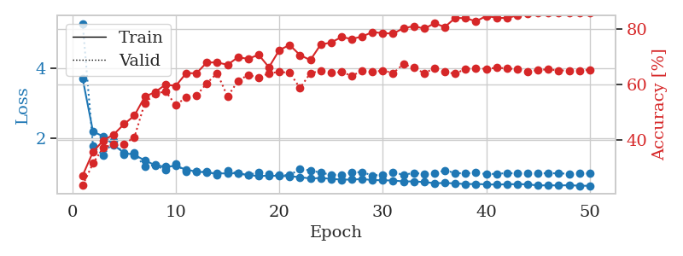
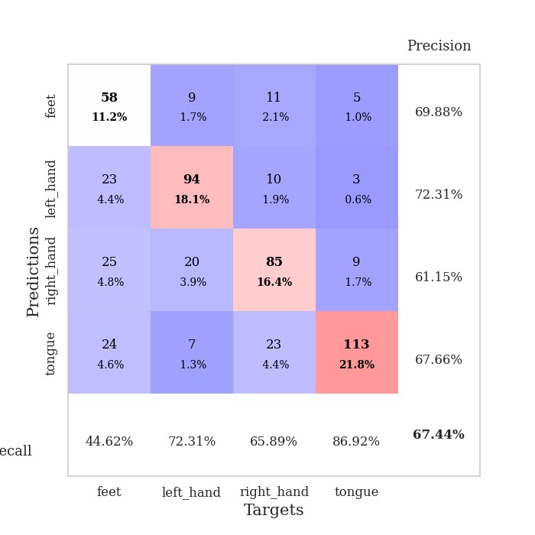
train_loss | valid_loss | train_accuracy | valid_accuracy | dur | train_misclass | valid_misclass
3.7110112935 | 5.2907544859 | 0.27237654321 | 0.23699421965 | 0.34869146347 | 27.237654321 | 23.699421965
2.1951928973 | 1.775282275 | 0.35763888889 | 0.31599229287 | 0.36694025993 | 35.763888889 | 31.599229287
2.0599327683 | 1.5130914252 | 0.39891975309 | 0.37379576108 | 0.36483383179 | 39.891975309 | 37.379576108
1.8128745168 | 1.9404813744 | 0.42052469136 | 0.38535645472 | 0.37044620514 | 42.052469136 | 38.535645472
1.5860702693 | 1.5312289165 | 0.4575617284 | 0.38535645472 | 0.36968994141 | 45.75617284 | 38.535645472
1.5291370213 | 1.5884800345 | 0.48842592593 | 0.41040462428 | 0.36856508255 | 48.842592593 | 41.040462428
1.374249813 | 1.1886134991 | 0.55632716049 | 0.53371868979 | 0.37122154236 | 55.632716049 | 53.371868979
1.2349969044 | 1.2466908397 | 0.57330246914 | 0.56647398844 | 0.36517429352 | 57.330246914 | 56.647398844
1.1907301396 | 1.0966823361 | 0.59992283951 | 0.57610789981 | 0.37145900726 | 59.992283951 | 57.610789981
1.2145083442 | 1.2665035307 | 0.59567901235 | 0.52601156069 | 0.37847161293 | 59.567901235 | 52.601156069
1.1066085279 | 1.0440057985 | 0.6412037037 | 0.5549132948 | 0.3620223999 | 64.12037037 | 55.49132948
1.0535458148 | 1.0547441129 | 0.64158950617 | 0.56069364162 | 0.36272883415 | 64.158950617 | 56.069364162
1.0263781741 | 1.047922252 | 0.68016975309 | 0.60500963391 | 0.3811147213 | 68.016975309 | 60.500963391
0.99657180458 | 0.96140196236 | 0.68016975309 | 0.64161849711 | 0.36381912231 | 68.016975309 | 64.161849711
1.0026925772 | 1.0888672429 | 0.67168209877 | 0.55684007707 | 0.37165093422 | 67.168209877 | 55.684007707
1.002474533 | 0.99349330455 | 0.6986882716 | 0.61271676301 | 0.36234927177 | 69.86882716 | 61.271676301
0.9543349281 | 0.95807582772 | 0.69328703704 | 0.63583815029 | 0.37211275101 | 69.328703704 | 63.583815029
0.92434132695 | 1.0262917203 | 0.70794753086 | 0.62427745665 | 0.38104701042 | 70.794753086 | 62.427745665
0.93555136025 | 0.97177553705 | 0.66280864198 | 0.64161849711 | 0.37335395813 | 66.280864198 | 64.161849711
0.92687919438 | 0.94902963813 | 0.72492283951 | 0.64547206166 | 0.3612074852 | 72.492283951 | 64.547206166
0.91870636046 | 0.95039219342 | 0.74305555556 | 0.64354527938 | 0.38420724869 | 74.305555556 | 64.354527938
0.89326314479 | 1.1266925119 | 0.70679012346 | 0.58766859345 | 0.38246440887 | 70.679012346 | 58.766859345
0.8547687009 | 1.0864463798 | 0.68865740741 | 0.64161849711 | 0.35772752762 | 68.865740741 | 64.161849711
0.86883675158 | 1.0196228981 | 0.74459876543 | 0.6493256262 | 0.35949730873 | 74.459876543 | 64.93256262
0.84572664648 | 0.9632130372 | 0.75192901235 | 0.64354527938 | 0.38591146469 | 75.192901235 | 64.354527938
0.82123907954 | 0.95714000999 | 0.77160493827 | 0.64547206166 | 0.38253831863 | 77.160493827 | 64.547206166
0.82505213469 | 1.0267722221 | 0.7650462963 | 0.63198458574 | 0.3842549324 | 76.50462963 | 63.198458574
0.83721641749 | 1.0388738847 | 0.77353395062 | 0.6493256262 | 0.36788606644 | 77.353395062 | 64.93256262
0.81140820831 | 0.93840889159 | 0.78973765432 | 0.64547206166 | 0.36429691315 | 78.973765432 | 64.547206166
0.80293618441 | 0.96416864827 | 0.78587962963 | 0.65125240848 | 0.36135292053 | 78.587962963 | 65.125240848
0.7969222039 | 1.0266405962 | 0.78433641975 | 0.64161849711 | 0.3663008213 | 78.433641975 | 64.161849711
0.7710305661 | 0.96181709137 | 0.80362654321 | 0.67437379576 | 0.38822579384 | 80.362654321 | 67.437379576
0.77114331722 | 1.0106427091 | 0.81095679012 | 0.66088631985 | 0.36961936951 | 81.095679012 | 66.088631985
0.75301031023 | 0.98655157098 | 0.8024691358 | 0.64161849711 | 0.37113595009 | 80.24691358 | 64.161849711
0.72063178867 | 0.99829766975 | 0.82098765432 | 0.65895953757 | 0.37625479698 | 82.098765432 | 65.895953757
0.72467011213 | 1.0884402979 | 0.80825617284 | 0.64547206166 | 0.38039922714 | 80.825617284 | 64.547206166
0.71495349333 | 1.0096961111 | 0.84066358025 | 0.63969171484 | 0.33659720421 | 84.066358025 | 63.969171484
0.69354634508 | 0.99829560162 | 0.83989197531 | 0.6570327553 | 0.37973546982 | 83.989197531 | 65.70327553
0.69823418707 | 1.0206273875 | 0.8287037037 | 0.65895953757 | 0.39467167854 | 82.87037037 | 65.895953757
0.68622942865 | 0.97871860879 | 0.84760802469 | 0.6570327553 | 0.37432551384 | 84.760802469 | 65.70327553
0.68087020218 | 0.98893663465 | 0.84143518519 | 0.66088631985 | 0.376101017 | 84.143518519 | 66.088631985
0.68808818832 | 1.0079828544 | 0.83989197531 | 0.65895953757 | 0.37389755249 | 83.989197531 | 65.895953757
0.69329706952 | 0.99980890406 | 0.84992283951 | 0.65510597303 | 0.36261630058 | 84.992283951 | 65.510597303
0.68700637147 | 0.9947130873 | 0.85570987654 | 0.64739884393 | 0.37779259682 | 85.570987654 | 64.739884393
0.65484220758 | 0.99884655664 | 0.85802469136 | 0.65317919075 | 0.37932944298 | 85.802469136 | 65.317919075
0.66125664115 | 1.0058633523 | 0.8599537037 | 0.65510597303 | 0.35996556282 | 85.99537037 | 65.510597303
0.65476302356 | 1.0010423178 | 0.86072530864 | 0.65125240848 | 0.37403559685 | 86.072530864 | 65.125240848
0.66209913492 | 0.98995497048 | 0.86033950617 | 0.65125240848 | 0.37048602104 | 86.033950617 | 65.125240848
0.64842597023 | 0.99905164302 | 0.8599537037 | 0.65125240848 | 0.37479519844 | 85.99537037 | 65.125240848
0.64508060887 | 0.99794054812 | 0.8599537037 | 0.65317919075 | 0.35702157021 | 85.99537037 | 65.317919075

Best Val accuracy is 0.674373795761079 and Best test accuracy is 0.5171249397009166

Sheet8
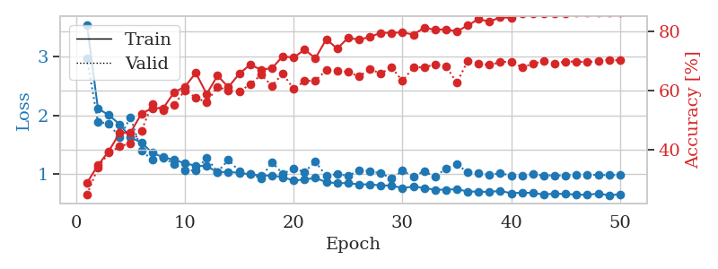
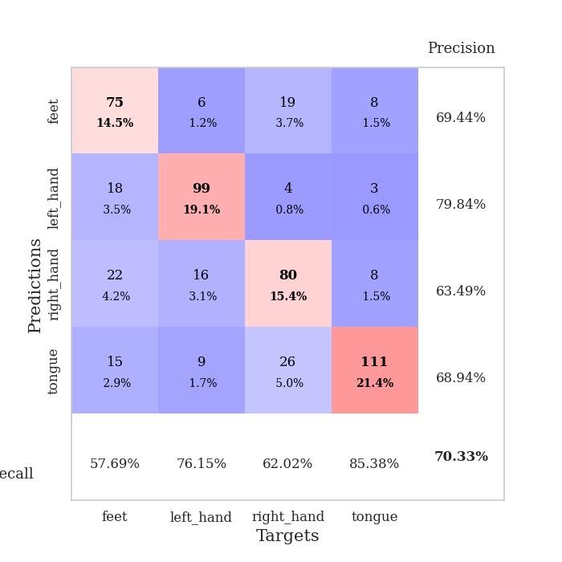
train_loss | valid_loss | train_accuracy | valid_accuracy | dur | train_misclass | valid_misclass
3.5501304626 | 2.979881003 | 0.29050925926 | 0.25048169557 | 0.38934206963 | 29.050925926 | 25.048169557
2.1211242437 | 1.8877395157 | 0.3487654321 | 0.34104046243 | 0.36478471756 | 34.87654321 | 34.104046243
2.0054421991 | 1.8625830203 | 0.39660493827 | 0.39113680154 | 0.36501383781 | 39.660493827 | 39.113680154
1.8502809465 | 1.6227634385 | 0.4575617284 | 0.41233140655 | 0.37551808357 | 45.75617284 | 41.233140655
1.6226437658 | 1.9701377192 | 0.4587191358 | 0.42389210019 | 0.36504006386 | 45.87191358 | 42.389210019
1.5372242928 | 1.3979270927 | 0.52237654321 | 0.46435452794 | 0.37828922272 | 52.237654321 | 46.435452794
1.3627673075 | 1.2456439759 | 0.5412808642 | 0.5549132948 | 0.35991072655 | 54.12808642 | 55.49132948
1.2857709199 | 1.2787899082 | 0.54050925926 | 0.53371868979 | 0.37981343269 | 54.050925926 | 53.371868979
1.2417013541 | 1.1705837367 | 0.59375 | 0.55105973025 | 0.37384533882 | 59.375 | 55.105973025
1.1849228248 | 1.0683485338 | 0.61304012346 | 0.60115606936 | 0.38259720802 | 61.304012346 | 60.115606936
1.1393193126 | 1.0589732942 | 0.65933641975 | 0.57610789981 | 0.37591004372 | 65.933641975 | 57.610789981
1.1363369793 | 1.2786682521 | 0.5887345679 | 0.56069364162 | 0.37165880203 | 58.87345679 | 56.069364162
1.0303025588 | 1.0353418026 | 0.65007716049 | 0.61271676301 | 0.35790491104 | 65.007716049 | 61.271676301
1.0369778544 | 1.2412425374 | 0.61149691358 | 0.59922928709 | 0.37142205238 | 61.149691358 | 59.922928709
1.01906486 | 1.0504832245 | 0.65702160494 | 0.59730250482 | 0.35274076462 | 65.702160494 | 59.730250482
0.99401171505 | 1.0008571672 | 0.68672839506 | 0.6204238921 | 0.38579797745 | 68.672839506 | 62.04238921
0.97470937222 | 0.9254660178 | 0.67052469136 | 0.65317919075 | 0.37854409218 | 67.052469136 | 65.317919075
0.97324668616 | 1.2034470858 | 0.67515432099 | 0.61657032755 | 0.3667640686 | 67.515432099 | 61.657032755
0.94716641903 | 1.0028849601 | 0.71527777778 | 0.6570327553 | 0.36475396156 | 71.527777778 | 65.70327553
0.88799319714 | 1.0937721647 | 0.71026234568 | 0.60500963391 | 0.38719010353 | 71.026234568 | 60.500963391
0.90706460327 | 1.0370340568 | 0.73804012346 | 0.63198458574 | 0.37313508987 | 73.804012346 | 63.198458574
0.93231562674 | 1.2093262499 | 0.70833333333 | 0.63391136802 | 0.36639499664 | 70.833333333 | 63.391136802
0.86118097901 | 0.96372927418 | 0.77276234568 | 0.66859344894 | 0.36793231964 | 77.276234568 | 66.859344894
0.8437228784 | 1.0040948347 | 0.74074074074 | 0.66666666667 | 0.3567378521 | 74.074074074 | 66.666666667
0.8453479588 | 0.96537661759 | 0.77700617284 | 0.66281310212 | 0.35325407982 | 77.700617284 | 66.281310212
0.82196038365 | 1.0627734976 | 0.7712191358 | 0.64739884393 | 0.37745094299 | 77.12191358 | 64.739884393
0.82387002707 | 1.0480391826 | 0.78009259259 | 0.67244701349 | 0.36508131027 | 78.009259259 | 67.244701349
0.80453054011 | 1.0104849019 | 0.79398148148 | 0.6570327553 | 0.36312246323 | 79.398148148 | 65.70327553
0.80343426168 | 0.92749436696 | 0.79398148148 | 0.67822736031 | 0.36050128937 | 79.398148148 | 67.822736031
0.7585713163 | 1.0561455049 | 0.79513888889 | 0.63198458574 | 0.36992049217 | 79.513888889 | 63.198458574
0.78748431504 | 0.95760906294 | 0.78819444444 | 0.67822736031 | 0.36126303673 | 78.819444444 | 67.822736031
0.76152727604 | 1.0491906524 | 0.81095679012 | 0.67822736031 | 0.37488603592 | 81.095679012 | 67.822736031
0.73189562708 | 0.94764367808 | 0.80439814815 | 0.68786127168 | 0.37578296661 | 80.439814815 | 68.786127168
0.73241906762 | 1.0972388829 | 0.80555555556 | 0.68208092486 | 0.36330723763 | 80.555555556 | 68.208092486
0.74090977162 | 1.1659377306 | 0.79861111111 | 0.62620423892 | 0.37372708321 | 79.861111111 | 62.620423892
0.70141853243 | 1.0298667316 | 0.81867283951 | 0.69942196532 | 0.36907029152 | 81.867283951 | 69.942196532
0.69919393212 | 1.0212776447 | 0.84027777778 | 0.69171483622 | 0.3629796505 | 84.027777778 | 69.171483622
0.69384441674 | 0.98326444189 | 0.83140432099 | 0.6859344894 | 0.35767865181 | 83.140432099 | 68.59344894
0.71299361885 | 1.0148166767 | 0.84645061728 | 0.69556840077 | 0.36535215378 | 84.645061728 | 69.556840077
0.67090528458 | 0.96956053818 | 0.84375 | 0.69749518304 | 0.37025690079 | 84.375 | 69.749518304
0.68262200952 | 0.97055264911 | 0.85763888889 | 0.67822736031 | 0.37287378311 | 85.763888889 | 67.822736031
0.67591638863 | 0.9934330044 | 0.85802469136 | 0.68978805395 | 0.3771739006 | 85.802469136 | 68.978805395
0.65127153471 | 0.97405376715 | 0.85763888889 | 0.69942196532 | 0.36610722542 | 85.763888889 | 69.942196532
0.66559515893 | 0.97707197524 | 0.85956790123 | 0.69171483622 | 0.38562655449 | 85.956790123 | 69.171483622
0.6587508902 | 0.97353568334 | 0.85763888889 | 0.69749518304 | 0.35231947899 | 85.763888889 | 69.749518304
0.64917474985 | 0.9882435105 | 0.86188271605 | 0.69749518304 | 0.36239695549 | 86.188271605 | 69.749518304
0.64410729632 | 0.98995732733 | 0.86149691358 | 0.69556840077 | 0.37742996216 | 86.149691358 | 69.556840077
0.66606435329 | 0.98238867946 | 0.86149691358 | 0.69942196532 | 0.36551833153 | 86.149691358 | 69.942196532
0.63752061576 | 0.98212316523 | 0.86111111111 | 0.70327552987 | 0.3772380352 | 86.111111111 | 70.327552987
0.65503807887 | 0.98287238023 | 0.86149691358 | 0.70134874759 | 0.37330698967 | 86.149691358 | 70.134874759

Best Val accuracy is 0.7032755298651252 and Best test accuracy is 0.5383502170767004

Sheet9
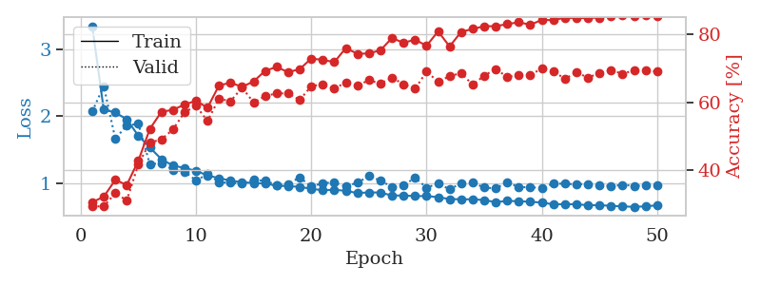
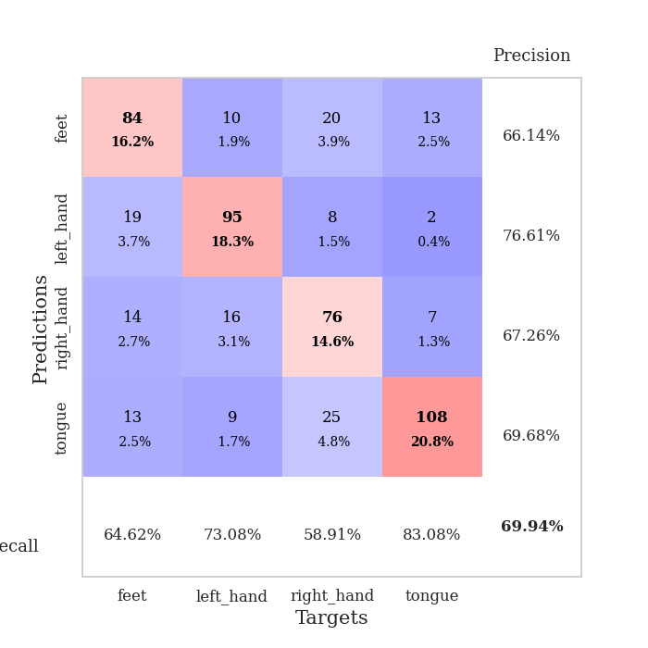
train_loss | valid_loss | train_accuracy | valid_accuracy | dur | train_misclass | valid_misclass
3.3413585752 | 2.0664524132 | 0.30709876543 | 0.29479768786 | 0.35931515694 | 30.709876543 | 29.479768786
2.0960415184 | 2.4481702303 | 0.32291666667 | 0.29479768786 | 0.36187291145 | 32.291666667 | 29.479768786
2.0532631397 | 1.66203257 | 0.37229938272 | 0.33333333333 | 0.35664701462 | 37.229938272 | 33.333333333
1.9508092463 | 1.8587728518 | 0.35763888889 | 0.31213872832 | 0.36552596092 | 35.763888889 | 31.213872832
1.7063537836 | 1.8842786663 | 0.42862654321 | 0.41811175337 | 0.36062932014 | 42.862654321 | 41.811175337
1.5304022521 | 1.2806161679 | 0.52199074074 | 0.4816955684 | 0.37365317345 | 52.199074074 | 48.16955684
1.3568457931 | 1.2978406922 | 0.57214506173 | 0.49132947977 | 0.35398745537 | 57.214506173 | 49.132947977
1.2611398697 | 1.1954366669 | 0.57793209877 | 0.52023121387 | 0.36699604988 | 57.793209877 | 52.023121387
1.2254723534 | 1.1718432853 | 0.59336419753 | 0.57032755299 | 0.37902545929 | 59.336419753 | 57.032755299
1.182119146 | 1.0388720169 | 0.60455246914 | 0.58959537572 | 0.35928988457 | 60.455246914 | 58.959537572
1.1148226097 | 1.131562872 | 0.58410493827 | 0.54527938343 | 0.36297464371 | 58.410493827 | 54.527938343
1.0722252786 | 1.0144309993 | 0.64969135802 | 0.61078998073 | 0.37643194199 | 64.969135802 | 61.078998073
1.036723657 | 1.0032509593 | 0.65740740741 | 0.60308285164 | 0.36254882812 | 65.740740741 | 60.308285164
1.0126691148 | 0.99063760972 | 0.64544753086 | 0.64354527938 | 0.37285351753 | 64.544753086 | 64.354527938
1.0018602118 | 1.048628847 | 0.6612654321 | 0.59922928709 | 0.37482857704 | 66.12654321 | 59.922928709
0.99373538792 | 1.0314828941 | 0.6925154321 | 0.61849710983 | 0.37688779831 | 69.25154321 | 61.849710983
0.96132978052 | 0.97394280213 | 0.7037037037 | 0.62620423892 | 0.36609888077 | 70.37037037 | 62.620423892
0.95419784933 | 0.98699523328 | 0.68827160494 | 0.62620423892 | 0.38177585602 | 68.827160494 | 62.620423892
0.94375122041 | 1.08570875 | 0.6975308642 | 0.60693641618 | 0.35830140114 | 69.75308642 | 60.693641618
0.9148257941 | 0.94672115621 | 0.72839506173 | 0.64739884393 | 0.37648820877 | 72.839506173 | 64.739884393
0.89314696044 | 1.0012695934 | 0.72453703704 | 0.65317919075 | 0.38404035568 | 72.453703704 | 65.317919075
0.90043690354 | 1.0085478886 | 0.71797839506 | 0.63969171484 | 0.36343932152 | 71.797839506 | 63.969171484
0.88428613096 | 0.94966045212 | 0.75925925926 | 0.65895953757 | 0.35636711121 | 75.925925926 | 65.895953757
0.85116631836 | 1.0064452889 | 0.74228395062 | 0.6493256262 | 0.357878685 | 74.228395062 | 64.93256262
0.86082766503 | 1.1027132645 | 0.74344135802 | 0.66473988439 | 0.38466644287 | 74.344135802 | 66.473988439
0.85857822895 | 1.0387164834 | 0.75270061728 | 0.65510597303 | 0.3708050251 | 75.270061728 | 65.510597303
0.81403912604 | 0.93969859921 | 0.78858024691 | 0.67244701349 | 0.38797330856 | 78.858024691 | 67.244701349
0.81471458673 | 0.96422792997 | 0.77469135802 | 0.65317919075 | 0.3726272583 | 77.469135802 | 65.317919075
0.80570723563 | 1.0809618237 | 0.78395061728 | 0.63969171484 | 0.37938737869 | 78.395061728 | 63.969171484
0.80670932382 | 0.93098595951 | 0.76581790123 | 0.68978805395 | 0.37341880798 | 76.581790123 | 68.978805395
0.78980635554 | 0.99325065186 | 0.80825617284 | 0.66088631985 | 0.37212586403 | 80.825617284 | 66.088631985
0.76158053875 | 0.90781773515 | 0.76388888889 | 0.67630057803 | 0.36514472961 | 76.388888889 | 67.630057803
0.75841515958 | 0.99633372266 | 0.80671296296 | 0.6859344894 | 0.3591837883 | 80.671296296 | 68.59344894
0.75789122283 | 1.0075447396 | 0.81520061728 | 0.65125240848 | 0.35811972618 | 81.520061728 | 65.125240848
0.7467966333 | 0.93271672863 | 0.82330246914 | 0.67822736031 | 0.37129664421 | 82.330246914 | 67.822736031
0.71509657949 | 0.92062616027 | 0.82330246914 | 0.69749518304 | 0.35865998268 | 82.330246914 | 69.749518304
0.73408694714 | 1.0118656572 | 0.82947530864 | 0.67437379576 | 0.36416101456 | 82.947530864 | 67.437379576
0.72920688242 | 0.94141702845 | 0.83487654321 | 0.68015414258 | 0.38467526436 | 83.487654321 | 68.015414258
0.72070036232 | 0.93611012695 | 0.8275462963 | 0.68015414258 | 0.3684797287 | 82.75462963 | 68.015414258
0.70996053368 | 0.92932693072 | 0.84182098765 | 0.69942196532 | 0.36591672897 | 84.182098765 | 69.942196532
0.68238992542 | 0.99411105145 | 0.84104938272 | 0.69171483622 | 0.35912895203 | 84.104938272 | 69.171483622
0.68603530079 | 0.9888243604 | 0.84837962963 | 0.66859344894 | 0.37281298637 | 84.837962963 | 66.859344894
0.68389284313 | 0.98226652508 | 0.84683641975 | 0.68786127168 | 0.36916232109 | 84.683641975 | 68.786127168
0.66945863664 | 0.98660993071 | 0.84760802469 | 0.67244701349 | 0.3660132885 | 84.760802469 | 67.244701349
0.67070210725 | 0.96886282367 | 0.84837962963 | 0.6859344894 | 0.37086391449 | 84.837962963 | 68.59344894
0.66027443185 | 0.95398983377 | 0.85300925926 | 0.6936416185 | 0.3686580658 | 85.300925926 | 69.36416185
0.65227005333 | 0.97430563134 | 0.85455246914 | 0.68400770713 | 0.38054919243 | 85.455246914 | 68.400770713
0.64526796713 | 0.95846609206 | 0.85185185185 | 0.6936416185 | 0.36340689659 | 85.185185185 | 69.36416185
0.65300372392 | 0.96389286321 | 0.85455246914 | 0.6936416185 | 0.3720741272 | 85.455246914 | 69.36416185
0.66846557409 | 0.9645873616 | 0.85300925926 | 0.68978805395 | 0.35677576065 | 85.300925926 | 68.978805395

Best Val accuracy is 0.6994219653179191 and Best test accuracy is 0.5248432223830197

Sheet10
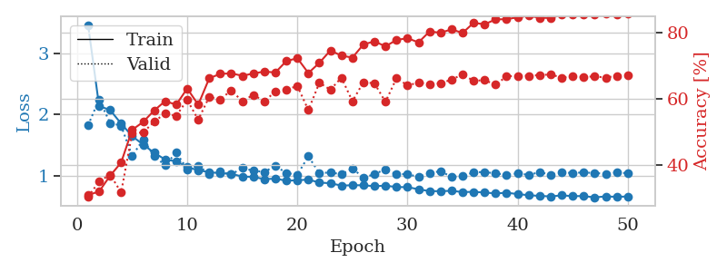
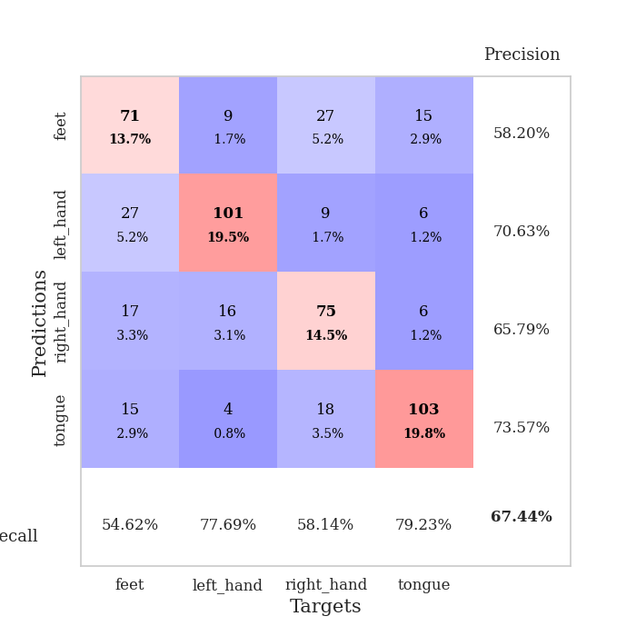
train_loss | valid_loss | train_accuracy | valid_accuracy | dur | train_misclass | valid_misclass
3.4619232237 | 1.8257412279 | 0.31018518519 | 0.30443159923 | 0.3641037941 | 31.018518519 | 30.443159923
2.1391871035 | 2.2482293755 | 0.32060185185 | 0.3506743738 | 0.37545728683 | 32.060185185 | 35.06743738
2.0740878731 | 1.862597045 | 0.36844135802 | 0.37186897881 | 0.37528848648 | 36.844135802 | 37.186897881
1.8525062412 | 1.8177239762 | 0.40817901235 | 0.31791907514 | 0.37948036194 | 40.817901235 | 31.791907514
1.6492630094 | 1.3246932158 | 0.50694444444 | 0.49710982659 | 0.35734367371 | 50.694444444 | 49.710982659
1.5093131959 | 1.5917975733 | 0.53086419753 | 0.49903660886 | 0.36449480057 | 53.086419753 | 49.903660886
1.3777990401 | 1.3233197238 | 0.56558641975 | 0.53179190751 | 0.37856149673 | 56.558641975 | 53.179190751
1.2659723923 | 1.1718302356 | 0.59375 | 0.55684007707 | 0.3712952137 | 59.375 | 55.684007707
1.2384956419 | 1.380513324 | 0.58294753086 | 0.54913294798 | 0.36577320099 | 58.294753086 | 54.913294798
1.1436458036 | 1.1102650168 | 0.63194444444 | 0.59730250482 | 0.36125445366 | 63.194444444 | 59.730250482
1.0907388076 | 1.1657645326 | 0.58294753086 | 0.53757225434 | 0.37094187737 | 58.294753086 | 53.757225434
1.061149551 | 1.0322401629 | 0.66280864198 | 0.60693641618 | 0.35469436646 | 66.280864198 | 60.693641618
1.0426848978 | 1.0662927981 | 0.6763117284 | 0.59922928709 | 0.35965585709 | 67.63117284 | 59.922928709
1.0344199568 | 1.0224953594 | 0.6774691358 | 0.62620423892 | 0.36624336243 | 67.74691358 | 62.620423892
0.98849514723 | 1.1308905486 | 0.67052469136 | 0.59344894027 | 0.37099575996 | 67.052469136 | 59.344894027
0.98381563872 | 1.0827141362 | 0.67708333333 | 0.61271676301 | 0.36161518097 | 67.708333333 | 61.271676301
0.94667054117 | 1.0646127125 | 0.68325617284 | 0.59344894027 | 0.3653588295 | 68.325617284 | 59.344894027
0.95467015654 | 1.163643576 | 0.68016975309 | 0.62235067437 | 0.36445689201 | 68.016975309 | 62.235067437
0.9218262434 | 1.0464087059 | 0.71489197531 | 0.62813102119 | 0.36939001083 | 71.489197531 | 62.813102119
0.92774747163 | 1.0198920995 | 0.72337962963 | 0.63969171484 | 0.35375571251 | 72.337962963 | 63.969171484
0.94030666947 | 1.3189666014 | 0.67862654321 | 0.56647398844 | 0.35094952583 | 67.862654321 | 56.647398844
0.89026810974 | 1.0416564367 | 0.70949074074 | 0.6493256262 | 0.36965441704 | 70.949074074 | 64.93256262
0.88021025211 | 1.0581762327 | 0.74691358025 | 0.62813102119 | 0.36468815804 | 74.691358025 | 62.813102119
0.84106867313 | 1.0240654298 | 0.73109567901 | 0.66473988439 | 0.37155985832 | 73.109567901 | 66.473988439
0.84775023609 | 1.1249070191 | 0.72530864198 | 0.59344894027 | 0.36902308464 | 72.530864198 | 59.344894027
0.84683293402 | 0.96690510073 | 0.7650462963 | 0.65125240848 | 0.36694765091 | 76.50462963 | 65.125240848
0.8314116627 | 1.0306749332 | 0.77430555556 | 0.64739884393 | 0.35772109032 | 77.430555556 | 64.739884393
0.84109746069 | 1.1057929768 | 0.75925925926 | 0.591522158 | 0.36661458015 | 75.925925926 | 59.1522158
0.81780409813 | 1.0239596806 | 0.77854938272 | 0.66281310212 | 0.36617088318 | 77.854938272 | 66.281310212
0.81615866125 | 1.0301860339 | 0.78395061728 | 0.64161849711 | 0.36822891235 | 78.395061728 | 64.161849711
0.78228384852 | 0.98065772498 | 0.7712191358 | 0.6493256262 | 0.35912394524 | 77.12191358 | 64.93256262
0.75061538368 | 1.0451842744 | 0.80401234568 | 0.64547206166 | 0.36460542679 | 80.401234568 | 64.547206166
0.75127962381 | 1.0773465872 | 0.80054012346 | 0.64739884393 | 0.35695099831 | 80.054012346 | 64.739884393
0.75589856505 | 0.9832443348 | 0.81057098765 | 0.65895953757 | 0.35679984093 | 81.057098765 | 65.895953757
0.73618233055 | 0.99424628118 | 0.79976851852 | 0.67437379576 | 0.35831403732 | 79.976851852 | 67.437379576
0.73968488276 | 1.0587738683 | 0.83024691358 | 0.65510597303 | 0.36053991318 | 83.024691358 | 65.510597303
0.72909027189 | 1.0625489479 | 0.82600308642 | 0.6570327553 | 0.37403941154 | 82.600308642 | 65.70327553
0.71339243501 | 1.0402981128 | 0.84066358025 | 0.64354527938 | 0.36321115494 | 84.066358025 | 64.354527938
0.72552921921 | 1.0188797182 | 0.84143518519 | 0.66859344894 | 0.37133264542 | 84.143518519 | 66.859344894
0.70297545642 | 1.0407041858 | 0.84683641975 | 0.67052023121 | 0.36466574669 | 84.683641975 | 67.052023121
0.68472924978 | 1.0164902263 | 0.85146604938 | 0.67052023121 | 0.36589074135 | 85.146604938 | 67.052023121
0.67339775115 | 1.059869229 | 0.84567901235 | 0.67244701349 | 0.37399291992 | 84.567901235 | 67.244701349
0.66500283182 | 1.0202972211 | 0.84490740741 | 0.67437379576 | 0.37482857704 | 84.490740741 | 67.437379576
0.68189672828 | 1.0561426784 | 0.85455246914 | 0.66473988439 | 0.36961770058 | 85.455246914 | 66.473988439
0.6699050054 | 1.0469242415 | 0.85532407407 | 0.66859344894 | 0.36074733734 | 85.532407407 | 66.859344894
0.67108018845 | 1.0566752327 | 0.85648148148 | 0.66666666667 | 0.37733054161 | 85.648148148 | 66.666666667
0.64867168367 | 1.0453400185 | 0.8549382716 | 0.66859344894 | 0.38403558731 | 85.49382716 | 66.859344894
0.66611833572 | 1.0367013262 | 0.85686728395 | 0.66473988439 | 0.36253905296 | 85.686728395 | 66.473988439
0.65780685991 | 1.0555459429 | 0.85570987654 | 0.67052023121 | 0.39437103271 | 85.570987654 | 67.052023121
0.66469492614 | 1.0431008121 | 0.85802469136 | 0.67244701349 | 0.38097810745 | 85.802469136 | 67.244701349

Best Val accuracy is 0.674373795761079 and Best test accuracy is 0.5055475156777617

