Sheet
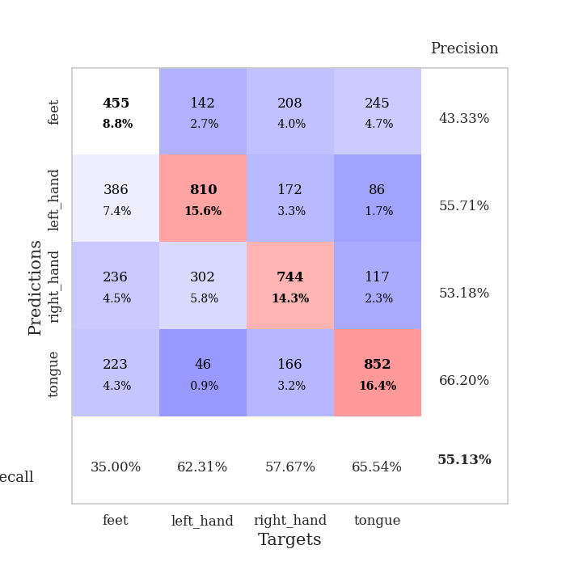
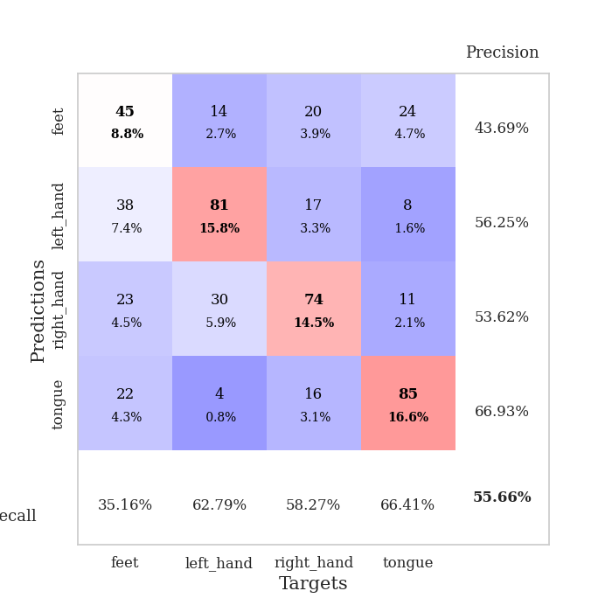
best_val_acc | best_val_los | best_test_acc
0.591522158 | 1.0374413329 | 0.42788229619
0.55876685934 | 1.0462566352 | 0.40183309214
0.47206165703 | 1.1797974443 | 0.37867824409
0.59537572254 | 0.97832284015 | 0.42112879884
0.46628131021 | 1.2378842957 | 0.37288953208
0.57610789981 | 1.0486839716 | 0.42112879884
0.60500963391 | 0.94801063345 | 0.46454413893
0.46435452794 | 1.2184693154 | 0.34587554269
0.60500963391 | 0.98802433721 | 0.42788229619
0.57803468208 | 1.0408984531 | 0.45344910757

Mean,std Val accuracy is 0.551252408477842 , 0.05942526122097794 and mean, std test accuracy is 0.41152918475639166 , 0.03691377486531586

Sheet1
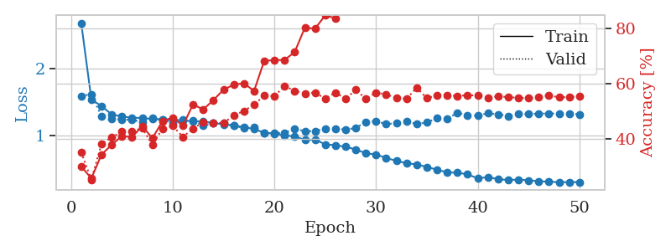
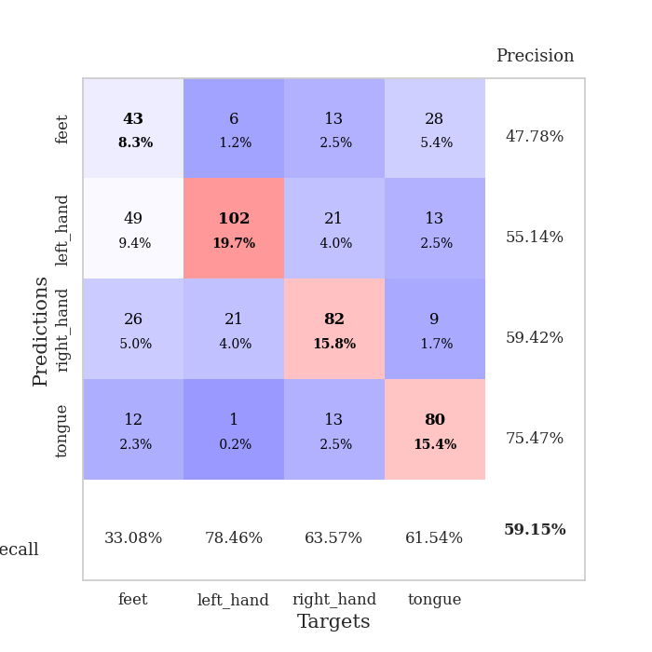
train_loss | valid_loss | train_accuracy | valid_accuracy | dur | train_misclass | valid_misclass
2.6837769342 | 1.5942959802 | 0.29899691358 | 0.3506743738 | 3.2375369072 | 29.899691358 | 35.06743738
1.5414923062 | 1.621469862 | 0.25617283951 | 0.25048169557 | 0.80147218704 | 25.617283951 | 25.048169557
1.4427284992 | 1.2885622668 | 0.34259259259 | 0.38150289017 | 0.80510926247 | 34.259259259 | 38.150289017
1.3189707737 | 1.2538777241 | 0.37808641975 | 0.40462427746 | 0.8120880127 | 37.808641975 | 40.462427746
1.2877705193 | 1.2446733297 | 0.40972222222 | 0.42581888247 | 0.81419205666 | 40.972222222 | 42.581888247
1.2696503235 | 1.2346565595 | 0.40586419753 | 0.42581888247 | 0.8226211071 | 40.586419753 | 42.581888247
1.2658585041 | 1.2092744813 | 0.44637345679 | 0.43930635838 | 0.81014990807 | 44.637345679 | 43.930635838
1.2498976941 | 1.2672293443 | 0.40162037037 | 0.37764932563 | 0.81923222542 | 40.162037037 | 37.764932563
1.2443672257 | 1.2354818647 | 0.46412037037 | 0.43737957611 | 0.77777075768 | 46.412037037 | 43.737957611
1.2426203934 | 1.1971141463 | 0.47685185185 | 0.44701348748 | 0.78144001961 | 47.685185185 | 44.701348748
1.2281411393 | 1.2366191167 | 0.4475308642 | 0.40655105973 | 0.77660441399 | 44.75308642 | 40.655105973
1.2159832771 | 1.2291407847 | 0.52507716049 | 0.43737957611 | 0.78316354752 | 52.507716049 | 43.737957611
1.2146911919 | 1.1512459728 | 0.50617283951 | 0.46050096339 | 0.79548239708 | 50.617283951 | 46.050096339
1.1904058456 | 1.189455144 | 0.54089506173 | 0.45857418112 | 0.78684163094 | 54.089506173 | 45.857418112
1.1714873998 | 1.1883995228 | 0.57831790123 | 0.45664739884 | 0.78333616257 | 57.831790123 | 45.664739884
1.1532208283 | 1.1515333159 | 0.59683641975 | 0.48554913295 | 0.78588724136 | 59.683641975 | 48.554913295
1.128810908 | 1.114777127 | 0.60185185185 | 0.50096339114 | 0.78084254265 | 60.185185185 | 50.096339114
1.1012113893 | 1.1306637482 | 0.5736882716 | 0.52408477842 | 0.78458833694 | 57.36882716 | 52.408477842
1.0445531154 | 1.0374413329 | 0.68364197531 | 0.55684007707 | 0.78497409821 | 68.364197531 | 55.684007707
1.0324977029 | 1.0424530616 | 0.68595679012 | 0.5549132948 | 0.78543591499 | 68.595679012 | 55.49132948
1.0048128423 | 1.04367031 | 0.68672839506 | 0.591522158 | 0.77808642387 | 68.672839506 | 59.1522158
0.99102491766 | 1.1096358024 | 0.71566358025 | 0.57418111753 | 0.77967238426 | 71.566358025 | 57.418111753
0.93815917807 | 1.0663008798 | 0.80439814815 | 0.56454720617 | 0.78328990936 | 80.439814815 | 56.454720617
0.94420927616 | 1.0709866421 | 0.80054012346 | 0.56840077071 | 0.78944253922 | 80.054012346 | 56.840077071
0.87184449975 | 1.1088186992 | 0.84915123457 | 0.54527938343 | 0.773904562 | 84.915123457 | 54.527938343
0.85908053705 | 1.1091150535 | 0.83834876543 | 0.56840077071 | 0.78163671494 | 83.834876543 | 56.840077071
0.83593079779 | 1.0899848146 | 0.89660493827 | 0.54527938343 | 0.76825094223 | 89.660493827 | 54.527938343
0.79663562425 | 1.117757529 | 0.89776234568 | 0.57803468208 | 0.75743865967 | 89.776234568 | 57.803468208
0.73749312427 | 1.2060078513 | 0.89737654321 | 0.54527938343 | 0.75933504105 | 89.737654321 | 54.527938343
0.72117618701 | 1.2211364763 | 0.89081790123 | 0.56840077071 | 0.79210925102 | 89.081790123 | 56.840077071
0.66854824742 | 1.1722859192 | 0.95061728395 | 0.56069364162 | 0.78743100166 | 95.061728395 | 56.069364162
0.62572977499 | 1.1904182135 | 0.96797839506 | 0.54913294798 | 0.79707527161 | 96.797839506 | 54.913294798
0.58947834115 | 1.2173985268 | 0.96720679012 | 0.54527938343 | 0.78924107552 | 96.720679012 | 54.527938343
0.57245537032 | 1.1740188397 | 0.98418209877 | 0.58574181118 | 0.78285837173 | 98.418209877 | 58.574181118
0.53307543189 | 1.2005547196 | 0.98726851852 | 0.5472061657 | 0.81367182732 | 98.726851852 | 54.72061657
0.49434533669 | 1.2604844442 | 0.99151234568 | 0.55876685934 | 0.90708398819 | 99.151234568 | 55.876685934
0.45254586012 | 1.2528118224 | 0.99305555556 | 0.55876685934 | 0.77753424644 | 99.305555556 | 55.876685934
0.44940705648 | 1.3462258864 | 0.99421296296 | 0.5549132948 | 0.88179397583 | 99.421296296 | 55.49132948
0.42346668694 | 1.3059350475 | 0.99845679012 | 0.55876685934 | 0.79533338547 | 99.845679012 | 55.876685934
0.36418877786 | 1.3039424796 | 0.99845679012 | 0.55684007707 | 0.78137540817 | 99.845679012 | 55.684007707
0.38251603441 | 1.3358450138 | 0.99845679012 | 0.54913294798 | 0.7663397789 | 99.845679012 | 54.913294798
0.35384056308 | 1.3214861511 | 0.99922839506 | 0.5549132948 | 0.79176068306 | 99.922839506 | 55.49132948
0.33894534966 | 1.2958883118 | 0.99884259259 | 0.55105973025 | 0.78798651695 | 99.884259259 | 55.105973025
0.34623683584 | 1.3260055562 | 0.99961419753 | 0.54913294798 | 0.79779601097 | 99.961419753 | 54.913294798
0.33486432398 | 1.3263399027 | 1 | 0.5472061657 | 0.79945039749 | 100 | 54.72061657
0.32126132748 | 1.3300258764 | 0.99961419753 | 0.55298651252 | 0.7880179882 | 99.961419753 | 55.298651252
0.3134419506 | 1.3332546469 | 0.99922839506 | 0.55684007707 | 0.7889380455 | 99.922839506 | 55.684007707
0.3071049763 | 1.330386012 | 0.99922839506 | 0.55105973025 | 0.7930560112 | 99.922839506 | 55.105973025
0.30791607021 | 1.33348714 | 0.99961419753 | 0.55105973025 | 0.78538012505 | 99.961419753 | 55.105973025
0.30895033872 | 1.320312161 | 0.99961419753 | 0.5549132948 | 0.78402996063 | 99.961419753 | 55.49132948

Best Val accuracy is 0.5915221579961464 and Best test accuracy is 0.4278822961890979

Sheet2
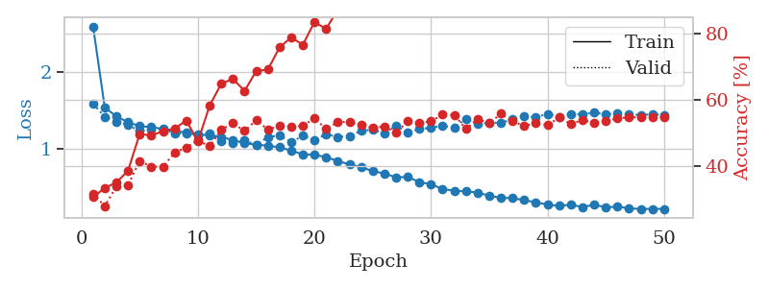
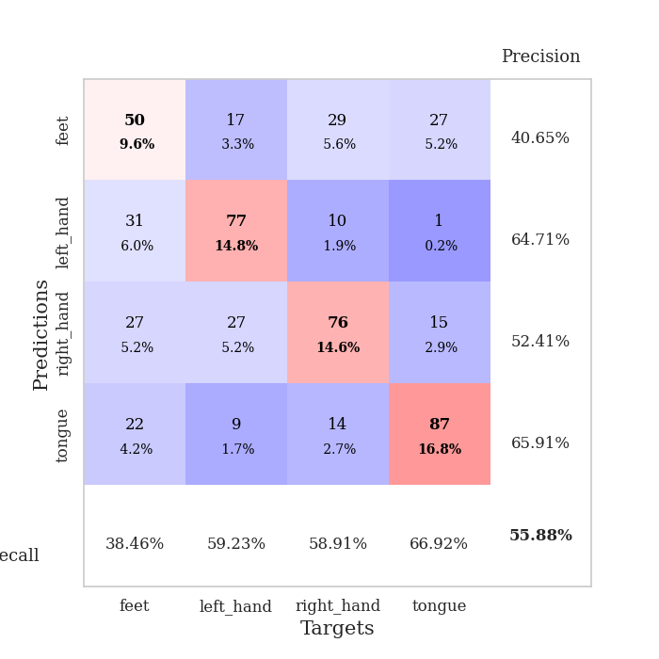
train_loss | valid_loss | train_accuracy | valid_accuracy | dur | train_misclass | valid_misclass
2.6010472046 | 1.5887923934 | 0.30671296296 | 0.31791907514 | 0.7784216404 | 30.671296296 | 31.791907514
1.5403341129 | 1.4143392353 | 0.33449074074 | 0.27938342967 | 0.7942481041 | 33.449074074 | 27.938342967
1.4201481806 | 1.3512186499 | 0.35108024691 | 0.33911368015 | 0.7829978466 | 35.108024691 | 33.911368015
1.3463223481 | 1.3069325708 | 0.38657407407 | 0.3429672447 | 0.79091954231 | 38.657407407 | 34.29672447
1.2933220061 | 1.2311746112 | 0.49768518519 | 0.4161849711 | 0.7878370285 | 49.768518519 | 41.61849711
1.2813879973 | 1.252026254 | 0.49305555556 | 0.39884393064 | 0.78092312813 | 49.305555556 | 39.884393064
1.2562698273 | 1.2525791226 | 0.50617283951 | 0.39884393064 | 0.78872537613 | 50.617283951 | 39.884393064
1.2345254094 | 1.200094133 | 0.51388888889 | 0.44123314066 | 0.78457522392 | 51.388888889 | 44.123314066
1.2058702111 | 1.1984254528 | 0.53819444444 | 0.45664739884 | 0.78570222855 | 53.819444444 | 45.664739884
1.179584891 | 1.1730663868 | 0.47530864198 | 0.47784200385 | 0.79216003418 | 47.530864198 | 47.784200385
1.177929986 | 1.201775801 | 0.58294753086 | 0.46050096339 | 0.78332996368 | 58.294753086 | 46.050096339
1.1508153015 | 1.0919583083 | 0.64930555556 | 0.5105973025 | 0.7833533287 | 64.930555556 | 51.05973025
1.1116071395 | 1.0710640243 | 0.66396604938 | 0.52986512524 | 0.7889881134 | 66.396604938 | 52.986512524
1.0668412557 | 1.1080957031 | 0.62770061728 | 0.50674373796 | 0.79538154602 | 62.770061728 | 50.674373796
1.0522544424 | 1.0462566352 | 0.6875 | 0.53949903661 | 0.78294491768 | 68.75 | 53.949903661
1.0369267545 | 1.1508707233 | 0.69212962963 | 0.5105973025 | 0.7892305851 | 69.212962963 | 51.05973025
1.0154637853 | 1.1716269303 | 0.75887345679 | 0.52215799615 | 0.78422021866 | 75.887345679 | 52.215799615
0.97268165372 | 1.0831205746 | 0.78935185185 | 0.52023121387 | 0.78040575981 | 78.935185185 | 52.023121387
0.92402989776 | 1.1663829504 | 0.76697530864 | 0.52215799615 | 0.78961706161 | 76.697530864 | 52.215799615
0.91824534848 | 1.1117234563 | 0.83564814815 | 0.54527938343 | 0.7909245491 | 83.564814815 | 54.527938343
0.88791398244 | 1.1880716097 | 0.81481481481 | 0.51252408478 | 0.78837108612 | 81.481481481 | 51.252408478
0.83612594634 | 1.1517712314 | 0.87307098765 | 0.53371868979 | 0.78765439987 | 87.307098765 | 53.371868979
0.79218045135 | 1.1636524618 | 0.91165123457 | 0.53371868979 | 0.78939461708 | 91.165123457 | 53.371868979
0.75764359442 | 1.2318483649 | 0.92206790123 | 0.52408477842 | 0.7985625267 | 92.206790123 | 52.408477842
0.7024348128 | 1.2480796734 | 0.94058641975 | 0.51637764933 | 0.78283548355 | 94.058641975 | 51.637764933
0.67375516533 | 1.197464337 | 0.94830246914 | 0.52023121387 | 0.79273843765 | 94.830246914 | 52.023121387
0.62122135481 | 1.2975976387 | 0.9475308642 | 0.50096339114 | 0.78875255585 | 94.75308642 | 50.096339114
0.62835413236 | 1.2098724452 | 0.9737654321 | 0.53564547206 | 0.78433036804 | 97.37654321 | 53.564547206
0.55975215413 | 1.2544222347 | 0.96296296296 | 0.53179190751 | 0.78678917885 | 96.296296296 | 53.179190751
0.53261143116 | 1.272714916 | 0.98649691358 | 0.53564547206 | 0.7867307663 | 98.649691358 | 53.564547206
0.46839102339 | 1.296171322 | 0.99112654321 | 0.55684007707 | 0.7886095047 | 99.112654321 | 55.684007707
0.44625765094 | 1.2781268586 | 0.99228395062 | 0.5549132948 | 0.78295993805 | 99.228395062 | 55.49132948
0.43805664097 | 1.3918620281 | 0.99421296296 | 0.51252408478 | 0.78910374641 | 99.421296296 | 51.252408478
0.42301916018 | 1.31792463 | 0.99305555556 | 0.54335260116 | 0.7874557972 | 99.305555556 | 54.335260116
0.3815583302 | 1.3399903251 | 0.99768518519 | 0.52986512524 | 0.78974270821 | 99.768518519 | 52.986512524
0.35395259884 | 1.3349055819 | 0.99807098765 | 0.55876685934 | 0.87164783478 | 99.807098765 | 55.876685934
0.348526278 | 1.3851234711 | 0.99961419753 | 0.53564547206 | 0.76894593239 | 99.961419753 | 53.564547206
0.32395558258 | 1.4247317066 | 0.99961419753 | 0.52215799615 | 0.87774372101 | 99.961419753 | 52.215799615
0.29384004739 | 1.4102241607 | 0.99961419753 | 0.52986512524 | 0.79070115089 | 99.961419753 | 52.986512524
0.26592847068 | 1.4555705214 | 0.99961419753 | 0.52408477842 | 0.79438042641 | 99.961419753 | 52.408477842
0.24789158968 | 1.4142684454 | 1 | 0.5472061657 | 0.79955720901 | 100 | 54.72061657
0.26337030151 | 1.4481241202 | 1 | 0.52793834297 | 0.78460812569 | 100 | 52.793834297
0.23273380404 | 1.4520636161 | 1 | 0.53949903661 | 0.78671002388 | 100 | 53.949903661
0.26219484258 | 1.4691845613 | 1 | 0.53179190751 | 0.79791688919 | 100 | 53.179190751
0.22995447758 | 1.4518481564 | 1 | 0.53564547206 | 0.77788424492 | 100 | 53.564547206
0.23575986945 | 1.4586223518 | 1 | 0.54527938343 | 0.78162145615 | 100 | 54.527938343
0.21720359735 | 1.4462656708 | 1 | 0.5472061657 | 0.78592205048 | 100 | 54.72061657
0.20664797155 | 1.4410104504 | 1 | 0.54913294798 | 0.7787463665 | 100 | 54.913294798
0.20904735908 | 1.4490664148 | 1 | 0.5472061657 | 0.78256678581 | 100 | 54.72061657
0.20737280525 | 1.4407227058 | 1 | 0.5472061657 | 0.79584240913 | 100 | 54.72061657

Best Val accuracy is 0.558766859344894 and Best test accuracy is 0.4018330921369995

Sheet3
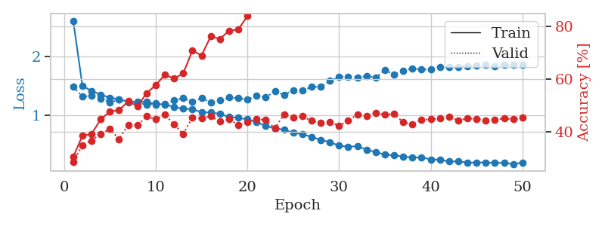
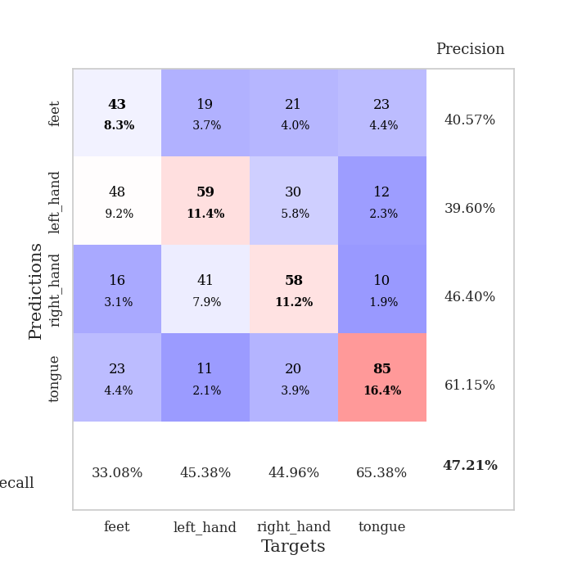
train_loss | valid_loss | train_accuracy | valid_accuracy | dur | train_misclass | valid_misclass
2.6127014337 | 1.4865056635 | 0.30362654321 | 0.28516377649 | 0.80946397781 | 30.362654321 | 28.516377649
1.506366623 | 1.3195031675 | 0.38425925926 | 0.34874759152 | 0.79185914993 | 38.425925926 | 34.874759152
1.4130278899 | 1.3310073178 | 0.39158950617 | 0.36608863198 | 0.80049109459 | 39.158950617 | 36.608863198
1.3532887697 | 1.2787215393 | 0.44675925926 | 0.39113680154 | 0.79136800766 | 44.675925926 | 39.113680154
1.2982813565 | 1.2205724381 | 0.47685185185 | 0.41040462428 | 0.78651547432 | 47.685185185 | 41.040462428
1.2749614576 | 1.2658602723 | 0.48186728395 | 0.37186897881 | 0.79266500473 | 48.186728395 | 37.186897881
1.2307365739 | 1.2246274312 | 0.51581790123 | 0.42581888247 | 0.78703665733 | 51.581790123 | 42.581888247
1.2306147611 | 1.2134419255 | 0.49768518519 | 0.42389210019 | 0.78396129608 | 49.768518519 | 42.389210019
1.231249448 | 1.1828325803 | 0.54591049383 | 0.45857418112 | 0.78391385078 | 54.591049383 | 45.857418112
1.1858579866 | 1.1997873939 | 0.57793209877 | 0.44701348748 | 0.78942513466 | 57.793209877 | 44.701348748
1.1900602896 | 1.1797974443 | 0.61651234568 | 0.46435452794 | 0.78528904915 | 61.651234568 | 46.435452794
1.1399449754 | 1.2524948407 | 0.60262345679 | 0.42774566474 | 0.78618550301 | 60.262345679 | 42.774566474
1.113183806 | 1.2899614903 | 0.62191358025 | 0.39113680154 | 0.78648781776 | 62.191358025 | 39.113680154
1.103167691 | 1.2312578105 | 0.70949074074 | 0.45472061657 | 0.79832291603 | 70.949074074 | 45.472061657
1.053544621 | 1.2928905949 | 0.69020061728 | 0.45086705202 | 0.78662538528 | 69.020061728 | 45.086705202
1.0459906849 | 1.2167017517 | 0.76350308642 | 0.45857418112 | 0.79038262367 | 76.350308642 | 45.857418112
1.0252860071 | 1.2521445634 | 0.75308641975 | 0.43930635838 | 0.78995203972 | 75.308641975 | 43.930635838
0.96883291503 | 1.3023025585 | 0.78510802469 | 0.44701348748 | 0.79247665405 | 78.510802469 | 44.701348748
0.95887909922 | 1.29342578 | 0.78896604938 | 0.42581888247 | 0.79165077209 | 78.896604938 | 42.581888247
0.92963869539 | 1.266501853 | 0.84027777778 | 0.43545279383 | 0.78693819046 | 84.027777778 | 43.545279383
0.88210033193 | 1.3356444484 | 0.86612654321 | 0.44701348748 | 0.78131127357 | 86.612654321 | 44.701348748
0.82102297541 | 1.3025406723 | 0.89930555556 | 0.4450867052 | 0.78351736069 | 89.930555556 | 44.50867052
0.77446560644 | 1.4122446877 | 0.91782407407 | 0.41233140655 | 0.7870285511 | 91.782407407 | 41.233140655
0.75525338782 | 1.3469202541 | 0.92554012346 | 0.46628131021 | 0.80792808533 | 92.554012346 | 46.628131021
0.70028909655 | 1.4306030793 | 0.9475308642 | 0.4527938343 | 0.79471755028 | 94.75308642 | 45.27938343
0.67882813946 | 1.4186950821 | 0.96296296296 | 0.45857418112 | 0.78214168549 | 96.296296296 | 45.857418112
0.63142777188 | 1.4868221389 | 0.96489197531 | 0.44123314066 | 0.7886068821 | 96.489197531 | 44.123314066
0.58099323962 | 1.4851771655 | 0.98726851852 | 0.43352601156 | 0.79050397873 | 98.726851852 | 43.352601156
0.54215431646 | 1.5851955768 | 0.98341049383 | 0.43737957611 | 0.78254747391 | 98.341049383 | 43.737957611
0.48025245045 | 1.6542168706 | 0.98688271605 | 0.42196531792 | 0.79358935356 | 98.688271605 | 42.196531792
0.46629129571 | 1.6615322734 | 0.99151234568 | 0.44315992293 | 0.79411411285 | 99.151234568 | 44.315992293
0.47126727961 | 1.6468148875 | 0.99922839506 | 0.46435452794 | 0.78371524811 | 99.922839506 | 46.435452794
0.41424307218 | 1.66604963 | 0.99845679012 | 0.46050096339 | 0.78525066376 | 99.845679012 | 46.050096339
0.37104584856 | 1.6469876543 | 0.99614197531 | 0.47206165703 | 0.78733730316 | 99.614197531 | 47.206165703
0.33067284639 | 1.7709625064 | 0.99884259259 | 0.46435452794 | 0.78134346008 | 99.884259259 | 46.435452794
0.31507362324 | 1.6959217486 | 1 | 0.46820809249 | 0.81895136833 | 100 | 46.820809249
0.29962789477 | 1.7583373996 | 0.99922839506 | 0.43545279383 | 0.77844262123 | 99.922839506 | 43.545279383
0.2775020701 | 1.7990468614 | 1 | 0.42774566474 | 0.8605966568 | 100 | 42.774566474
0.28320207879 | 1.7792208323 | 0.99961419753 | 0.4450867052 | 0.79311347008 | 99.961419753 | 44.50867052
0.2470993995 | 1.7886764447 | 1 | 0.44701348748 | 0.79395222664 | 100 | 44.701348748
0.24207001946 | 1.822163874 | 1 | 0.45086705202 | 0.7901673317 | 100 | 45.086705202
0.21131711856 | 1.8190867203 | 1 | 0.45664739884 | 0.80029344559 | 100 | 45.664739884
0.21539442606 | 1.8260196128 | 1 | 0.44315992293 | 0.80191731453 | 100 | 44.315992293
0.19162786927 | 1.84018018 | 1 | 0.45086705202 | 0.79202985764 | 100 | 45.086705202
0.19385823321 | 1.8546482037 | 1 | 0.44894026975 | 0.79449009895 | 100 | 44.894026975
0.19634312075 | 1.8616078166 | 1 | 0.44315992293 | 0.79033708572 | 100 | 44.315992293
0.18824826656 | 1.8391886405 | 1 | 0.4450867052 | 0.79318666458 | 100 | 44.50867052
0.18711369175 | 1.8588285657 | 1 | 0.45086705202 | 0.79356145859 | 100 | 45.086705202
0.16835212042 | 1.8647293071 | 1 | 0.44701348748 | 0.78546094894 | 100 | 44.701348748
0.19192814783 | 1.8638488576 | 1 | 0.4527938343 | 0.78514027596 | 100 | 45.27938343

Best Val accuracy is 0.4720616570327553 and Best test accuracy is 0.37867824409068984

Sheet4
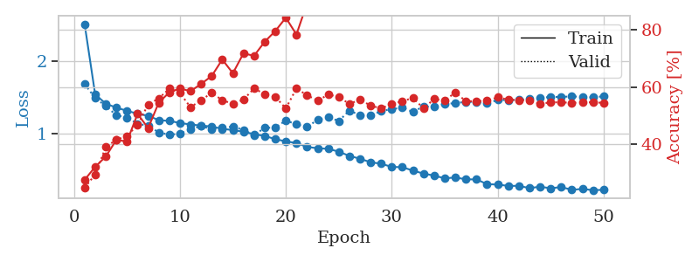
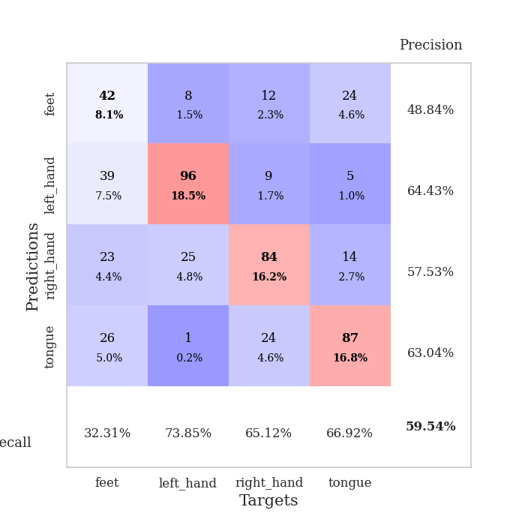
train_loss | valid_loss | train_accuracy | valid_accuracy | dur | train_misclass | valid_misclass
2.520844578 | 1.6883089106 | 0.27584876543 | 0.24855491329 | 0.78649163246 | 27.584876543 | 24.855491329
1.54201873 | 1.4938295962 | 0.32175925926 | 0.29479768786 | 0.79007482529 | 32.175925926 | 29.479768786
1.4167806992 | 1.3837261397 | 0.35763888889 | 0.39113680154 | 0.7897040844 | 35.763888889 | 39.113680154
1.359435668 | 1.2540532017 | 0.41589506173 | 0.4161849711 | 0.78005886078 | 41.589506173 | 41.61849711
1.3174612206 | 1.2240094521 | 0.41010802469 | 0.42967244701 | 0.763225317 | 41.010802469 | 42.967244701
1.2751480374 | 1.1358008938 | 0.50655864198 | 0.46820809249 | 0.78361415863 | 50.655864198 | 46.820809249
1.2478054361 | 1.11003452 | 0.45717592593 | 0.53949903661 | 0.78943300247 | 45.717592593 | 53.949903661
1.1870372126 | 1.0169797591 | 0.54591049383 | 0.56069364162 | 0.78726506233 | 54.591049383 | 56.069364162
1.1759202528 | 0.98415262139 | 0.58217592593 | 0.59537572254 | 0.78283572197 | 58.217592593 | 59.537572254
1.1478476333 | 0.99971707134 | 0.59567901235 | 0.57996146435 | 0.78862714767 | 59.567901235 | 57.996146435
1.1265480757 | 1.0602228651 | 0.58603395062 | 0.52986512524 | 0.78450584412 | 58.603395062 | 52.986512524
1.1117411646 | 1.1070807554 | 0.61149691358 | 0.5549132948 | 0.77934789658 | 61.149691358 | 55.49132948
1.0987217853 | 1.0595367577 | 0.63927469136 | 0.57996146435 | 0.7831799984 | 63.927469136 | 57.996146435
1.06639676 | 1.0855757793 | 0.69675925926 | 0.5549132948 | 0.78278827667 | 69.675925926 | 55.49132948
1.0490833219 | 1.0959254953 | 0.64891975309 | 0.54142581888 | 0.83271598816 | 64.891975309 | 54.142581888
1.026300296 | 1.0529778709 | 0.71836419753 | 0.55684007707 | 0.81093597412 | 71.836419753 | 55.684007707
0.99235560202 | 0.97832284015 | 0.70987654321 | 0.59537572254 | 0.80350828171 | 70.987654321 | 59.537572254
0.96770553236 | 1.0801350701 | 0.75887345679 | 0.57610789981 | 0.82775855064 | 75.887345679 | 57.610789981
0.92381835168 | 1.0834100099 | 0.7962962963 | 0.56647398844 | 0.80010509491 | 79.62962963 | 56.647398844
0.89198248107 | 1.1822718102 | 0.84297839506 | 0.52601156069 | 0.80218315125 | 84.297839506 | 52.601156069
0.86945002903 | 1.1285291857 | 0.78433641975 | 0.59537572254 | 0.80017089844 | 78.433641975 | 59.537572254
0.81548712964 | 1.0934962535 | 0.89274691358 | 0.57225433526 | 0.79643297195 | 89.274691358 | 57.225433526
0.79691893709 | 1.1906021668 | 0.88541666667 | 0.55298651252 | 0.80887627602 | 88.541666667 | 55.298651252
0.78907008138 | 1.2308998347 | 0.87654320988 | 0.57418111753 | 0.87059497833 | 87.654320988 | 57.418111753
0.74962720146 | 1.1746376553 | 0.92322530864 | 0.56647398844 | 0.83148741722 | 92.322530864 | 56.647398844
0.69039439281 | 1.3209036706 | 0.94020061728 | 0.54142581888 | 0.79732275009 | 94.020061728 | 54.142581888
0.65161688911 | 1.2551483809 | 0.94907407407 | 0.55684007707 | 0.79515624046 | 94.907407407 | 55.684007707
0.60244400275 | 1.2512305986 | 0.96952160494 | 0.53564547206 | 0.79074215889 | 96.952160494 | 53.564547206
0.58268527245 | 1.3124480298 | 0.97299382716 | 0.52601156069 | 0.79733181 | 97.299382716 | 52.601156069
0.53742972559 | 1.3403187453 | 0.98688271605 | 0.54142581888 | 0.80138325691 | 98.688271605 | 54.142581888
0.53446775974 | 1.358501887 | 0.98919753086 | 0.55105973025 | 0.804053545 | 98.919753086 | 55.105973025
0.48639083019 | 1.3009185173 | 0.9949845679 | 0.56262042389 | 0.80183887482 | 99.49845679 | 56.262042389
0.44547058715 | 1.3785464449 | 0.99421296296 | 0.52601156069 | 0.80405974388 | 99.421296296 | 52.601156069
0.41750846431 | 1.3697902203 | 0.99845679012 | 0.55876685934 | 0.79303002357 | 99.845679012 | 55.876685934
0.37940876305 | 1.4092630389 | 0.99614197531 | 0.55298651252 | 0.79083299637 | 99.614197531 | 55.298651252
0.39121284 | 1.423728178 | 0.99845679012 | 0.58188824663 | 0.95418477058 | 99.845679012 | 58.188824663
0.36574228471 | 1.4402219606 | 0.99884259259 | 0.55105973025 | 0.81457829475 | 99.884259259 | 55.105973025
0.36420562532 | 1.4387002864 | 1 | 0.55105973025 | 0.86573457718 | 100 | 55.105973025
0.29913819133 | 1.418757367 | 1 | 0.55298651252 | 0.79503464699 | 100 | 55.298651252
0.29267826465 | 1.4680339022 | 1 | 0.56454720617 | 0.80549478531 | 100 | 56.454720617
0.2745773798 | 1.4648178329 | 1 | 0.55684007707 | 0.79963326454 | 100 | 55.684007707
0.27498410458 | 1.4667629541 | 1 | 0.5549132948 | 0.80672693253 | 100 | 55.49132948
0.24375504301 | 1.4834634247 | 1 | 0.5549132948 | 0.79661774635 | 100 | 55.49132948
0.2631872413 | 1.491124918 | 1 | 0.54142581888 | 0.80370926857 | 100 | 54.142581888
0.24144550528 | 1.5119775711 | 1 | 0.5472061657 | 0.80300831795 | 100 | 54.72061657
0.25836100312 | 1.5063392032 | 1 | 0.5472061657 | 0.79959774017 | 100 | 54.72061657
0.22033803846 | 1.5193760822 | 1 | 0.54527938343 | 0.79231643677 | 100 | 54.527938343
0.23216507545 | 1.5060633198 | 1 | 0.5472061657 | 0.79926562309 | 100 | 54.72061657
0.21521024217 | 1.5035509737 | 1 | 0.5472061657 | 0.79825615883 | 100 | 54.72061657
0.21974268888 | 1.5181606882 | 1 | 0.54527938343 | 0.8048787117 | 100 | 54.527938343

Best Val accuracy is 0.5953757225433526 and Best test accuracy is 0.4211287988422576

Sheet5
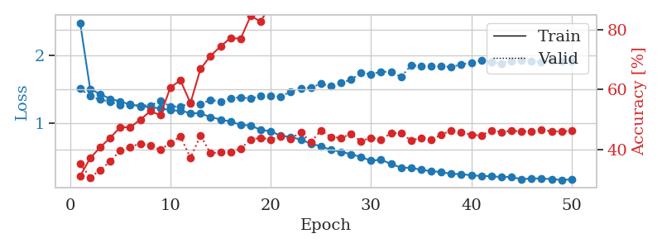
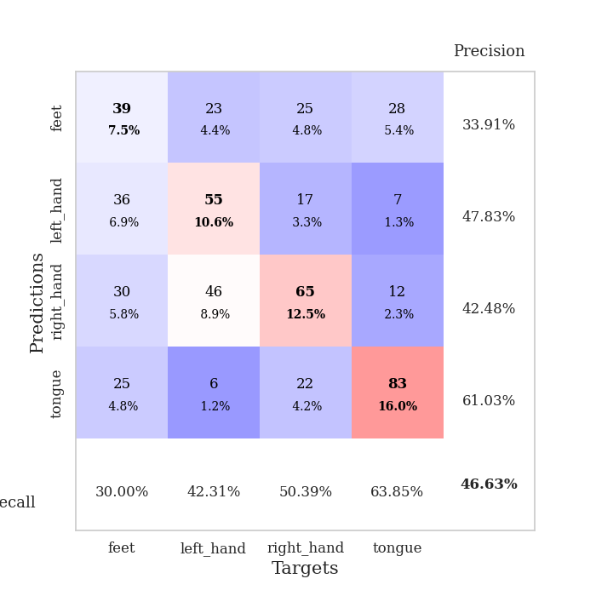
train_loss | valid_loss | train_accuracy | valid_accuracy | dur | train_misclass | valid_misclass
2.4789664436 | 1.5041655543 | 0.31095679012 | 0.35260115607 | 0.8039457798 | 31.095679012 | 35.260115607
1.4999253735 | 1.3949641658 | 0.37114197531 | 0.3063583815 | 0.81736373901 | 37.114197531 | 30.63583815
1.4254068526 | 1.3445236947 | 0.40702160494 | 0.33140655106 | 0.79426932335 | 40.702160494 | 33.140655106
1.3556168124 | 1.314226719 | 0.43942901235 | 0.36030828516 | 0.79658269882 | 43.942901235 | 36.030828516
1.3158726328 | 1.2596528238 | 0.47415123457 | 0.39691714836 | 0.79342913628 | 47.415123457 | 39.691714836
1.2722479219 | 1.262778372 | 0.47415123457 | 0.408477842 | 0.80545711517 | 47.415123457 | 40.8477842
1.2453911878 | 1.2573917011 | 0.49961419753 | 0.42003853565 | 0.79994010925 | 49.961419753 | 42.003853565
1.2311325798 | 1.2581587157 | 0.52816358025 | 0.41233140655 | 0.79703426361 | 52.816358025 | 41.233140655
1.2149408482 | 1.3195961457 | 0.51466049383 | 0.39884393064 | 0.80603575706 | 51.466049383 | 39.884393064
1.1887766244 | 1.2457824406 | 0.60763888889 | 0.42196531792 | 0.82564759254 | 60.763888889 | 42.196531792
1.1762988343 | 1.2378842957 | 0.63117283951 | 0.44315992293 | 0.7949051857 | 63.117283951 | 44.315992293
1.1474620096 | 1.2975119297 | 0.55516975309 | 0.37186897881 | 0.79747986794 | 55.516975309 | 37.186897881
1.138142489 | 1.2764013459 | 0.66936728395 | 0.44701348748 | 0.78831100464 | 66.936728395 | 44.701348748
1.0862068446 | 1.3417390151 | 0.71296296296 | 0.38728323699 | 0.80306863785 | 71.296296296 | 38.728323699
1.0502104586 | 1.3135350012 | 0.74459876543 | 0.39113680154 | 0.804708004 | 74.459876543 | 39.113680154
1.0180081416 | 1.3668387278 | 0.77314814815 | 0.39113680154 | 0.80018401146 | 77.314814815 | 39.113680154
0.97264423746 | 1.376555477 | 0.7700617284 | 0.40269749518 | 0.79911065102 | 77.00617284 | 40.269749518
0.96060450577 | 1.3602552258 | 0.84645061728 | 0.43352601156 | 0.79678416252 | 84.645061728 | 43.352601156
0.89679475405 | 1.3962124644 | 0.82793209877 | 0.43930635838 | 0.79781031609 | 82.793209877 | 43.930635838
0.87641231237 | 1.3985435235 | 0.88541666667 | 0.43352601156 | 0.80814623833 | 88.541666667 | 43.352601156
0.80839679215 | 1.3871112745 | 0.90817901235 | 0.44315992293 | 0.79774093628 | 90.817901235 | 44.315992293
0.79406873164 | 1.4641937387 | 0.91049382716 | 0.43545279383 | 0.80036687851 | 91.049382716 | 43.545279383
0.7512781655 | 1.5113656346 | 0.91512345679 | 0.45857418112 | 0.79965281487 | 91.512345679 | 45.857418112
0.69437259325 | 1.5194769023 | 0.94830246914 | 0.42389210019 | 0.79691386223 | 94.830246914 | 42.389210019
0.65400876473 | 1.5801797253 | 0.94830246914 | 0.46435452794 | 0.80972957611 | 94.830246914 | 46.435452794
0.60235677292 | 1.5399955527 | 0.96527777778 | 0.44123314066 | 0.7873904705 | 96.527777778 | 44.123314066
0.57433586071 | 1.5891367638 | 0.97955246914 | 0.43930635838 | 0.78282403946 | 97.955246914 | 43.930635838
0.53719627811 | 1.637900276 | 0.97685185185 | 0.45086705202 | 0.77743291855 | 97.685185185 | 45.086705202
0.49689166055 | 1.7375397407 | 0.98456790123 | 0.42774566474 | 0.77905750275 | 98.456790123 | 42.774566474
0.44143226959 | 1.720578184 | 0.99729938272 | 0.43930635838 | 0.78255343437 | 99.729938272 | 43.930635838
0.45688091545 | 1.7551335779 | 0.99382716049 | 0.43352601156 | 0.79192829132 | 99.382716049 | 43.352601156
0.39230992328 | 1.7548387071 | 0.99807098765 | 0.45472061657 | 0.78685665131 | 99.807098765 | 45.472061657
0.34010976438 | 1.6805159612 | 0.99922839506 | 0.45472061657 | 0.79850006104 | 99.922839506 | 45.472061657
0.33539952514 | 1.8507411448 | 0.99845679012 | 0.42967244701 | 0.80595874786 | 99.845679012 | 42.967244701
0.30798655794 | 1.8423389722 | 0.99922839506 | 0.43930635838 | 0.78805994987 | 99.922839506 | 43.930635838
0.28689490353 | 1.8335751706 | 0.99922839506 | 0.43352601156 | 0.92283153534 | 99.922839506 | 43.352601156
0.27471200837 | 1.8373074293 | 0.99961419753 | 0.44894026975 | 0.80784678459 | 99.961419753 | 44.894026975
0.24538489477 | 1.8265303867 | 0.99961419753 | 0.46435452794 | 0.86632013321 | 99.961419753 | 46.435452794
0.24451736118 | 1.8639974805 | 1 | 0.45857418112 | 0.78977632523 | 100 | 45.857418112
0.22527353352 | 1.886227418 | 1 | 0.44894026975 | 0.79467487335 | 100 | 44.894026975
0.21671304149 | 1.9183280675 | 1 | 0.44701348748 | 0.79527401924 | 100 | 44.701348748
0.21195834001 | 1.9019240125 | 1 | 0.46435452794 | 0.78941464424 | 100 | 46.435452794
0.20064745478 | 1.8781457508 | 1 | 0.45857418112 | 0.7954185009 | 100 | 45.857418112
0.20096419998 | 1.9171105364 | 1 | 0.46242774566 | 0.79369115829 | 100 | 46.242774566
0.16821771583 | 1.918602394 | 1 | 0.46050096339 | 0.77906703949 | 100 | 46.050096339
0.18062174513 | 1.9079620838 | 1 | 0.46050096339 | 0.79566168785 | 100 | 46.050096339
0.17820010903 | 1.904822938 | 1 | 0.46628131021 | 0.78995895386 | 100 | 46.628131021
0.17117276762 | 1.9191188187 | 1 | 0.46050096339 | 0.79278087616 | 100 | 46.050096339
0.15654011449 | 1.9132664521 | 1 | 0.46050096339 | 0.78738379478 | 100 | 46.050096339
0.16759670594 | 1.9173357115 | 1 | 0.46242774566 | 0.79790210724 | 100 | 46.242774566

Best Val accuracy is 0.4662813102119461 and Best test accuracy is 0.3728895320791124

Sheet6
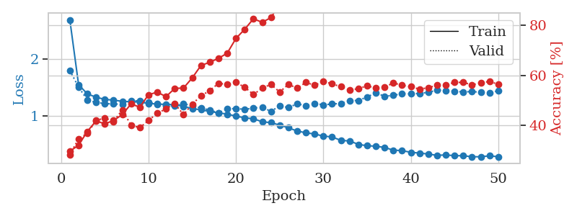
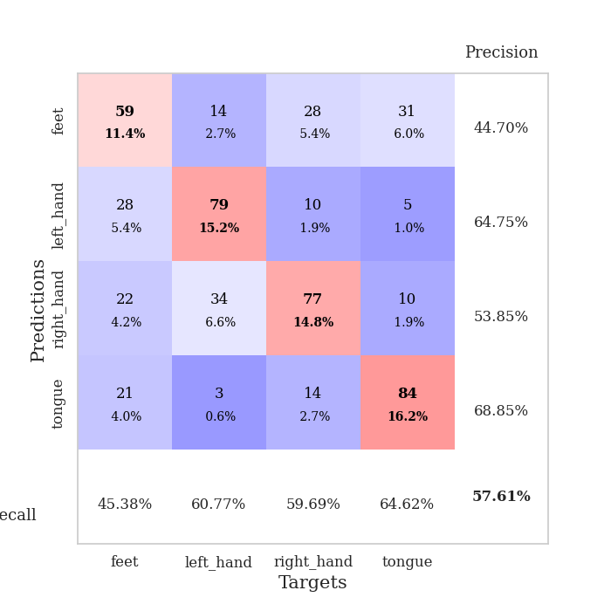
train_loss | valid_loss | train_accuracy | valid_accuracy | dur | train_misclass | valid_misclass
2.7005504826 | 1.803477308 | 0.29706790123 | 0.28323699422 | 0.79164361954 | 29.706790123 | 28.323699422
1.5494635083 | 1.5065086816 | 0.32098765432 | 0.34682080925 | 0.79221940041 | 32.098765432 | 34.682080925
1.3868602507 | 1.2800254352 | 0.37615740741 | 0.36801541426 | 0.79203557968 | 37.615740741 | 36.801541426
1.3270983622 | 1.2344290427 | 0.41820987654 | 0.42003853565 | 0.77818799019 | 41.820987654 | 42.003853565
1.2890495695 | 1.2155038564 | 0.40663580247 | 0.42967244701 | 0.77858304977 | 40.663580247 | 42.967244701
1.2754977938 | 1.2063053033 | 0.41975308642 | 0.4161849711 | 0.79042887688 | 41.975308642 | 41.61849711
1.2542808446 | 1.2051234996 | 0.44367283951 | 0.46242774566 | 0.78984832764 | 44.367283951 | 46.242774566
1.246718275 | 1.2662041706 | 0.48611111111 | 0.40077071291 | 0.7884926796 | 48.611111111 | 40.077071291
1.2407947852 | 1.2624991521 | 0.47337962963 | 0.39113680154 | 0.79326486588 | 47.337962963 | 39.113680154
1.2167430016 | 1.2424825184 | 0.52314814815 | 0.42003853565 | 0.79225420952 | 52.314814815 | 42.003853565
1.2072103211 | 1.1994188284 | 0.53317901235 | 0.44894026975 | 0.78612565994 | 53.317901235 | 44.894026975
1.198797156 | 1.1779494419 | 0.51543209877 | 0.46628131021 | 0.79406118393 | 51.543209877 | 46.628131021
1.1959037994 | 1.1687948775 | 0.54822530864 | 0.48747591522 | 0.79241919518 | 54.822530864 | 48.747591522
1.1667545486 | 1.2118144901 | 0.54976851852 | 0.44315992293 | 0.7917098999 | 54.976851852 | 44.315992293
1.1240779327 | 1.1729090198 | 0.59027777778 | 0.48554913295 | 0.79461216927 | 59.027777778 | 48.554913295
1.1049545212 | 1.1360483608 | 0.6400462963 | 0.5183044316 | 0.79345726967 | 64.00462963 | 51.83044316
1.0729076553 | 1.1001863741 | 0.65277777778 | 0.53949903661 | 0.79209423065 | 65.277777778 | 53.949903661
1.0517029615 | 1.0486839716 | 0.66859567901 | 0.56840077071 | 0.79088330269 | 66.859567901 | 56.840077071
1.0272108224 | 1.1170557997 | 0.68904320988 | 0.56454720617 | 0.78986382484 | 68.904320988 | 56.454720617
0.99210483682 | 1.1281961196 | 0.74807098765 | 0.57225433526 | 0.79095983505 | 74.807098765 | 57.225433526
0.9613268782 | 1.110505178 | 0.78472222222 | 0.55298651252 | 0.78044104576 | 78.472222222 | 55.298651252
0.94509402948 | 1.1352754374 | 0.82677469136 | 0.52408477842 | 0.79498267174 | 82.677469136 | 52.408477842
0.89188389351 | 1.1505080326 | 0.8125 | 0.54913294798 | 0.78712153435 | 81.25 | 54.913294798
0.87601551671 | 1.0767479676 | 0.83140432099 | 0.56454720617 | 0.78030133247 | 83.140432099 | 56.454720617
0.83295835444 | 1.1730154953 | 0.88541666667 | 0.53371868979 | 0.79683494568 | 88.541666667 | 53.371868979
0.78481009787 | 1.1443601027 | 0.89351851852 | 0.56454720617 | 0.77915620804 | 89.351851852 | 56.454720617
0.7268143758 | 1.210513538 | 0.91975308642 | 0.54913294798 | 0.78854632378 | 91.975308642 | 54.913294798
0.69673402975 | 1.1773101709 | 0.93364197531 | 0.57225433526 | 0.78180265427 | 93.364197531 | 57.225433526
0.67388888108 | 1.2179146497 | 0.95486111111 | 0.56069364162 | 0.7823805809 | 95.486111111 | 56.069364162
0.63804532726 | 1.192014912 | 0.96913580247 | 0.57610789981 | 0.79537916183 | 96.913580247 | 57.610789981
0.62250634513 | 1.2067576419 | 0.97106481481 | 0.56647398844 | 0.79151463509 | 97.106481481 | 56.647398844
0.56094004867 | 1.2166488589 | 0.9799382716 | 0.5549132948 | 0.79378962517 | 97.99382716 | 55.49132948
0.55114494982 | 1.2683133849 | 0.98919753086 | 0.54142581888 | 0.78318238258 | 98.919753086 | 54.142581888
0.49076143661 | 1.2689297043 | 0.98958333333 | 0.5472061657 | 0.78874015808 | 98.958333333 | 54.72061657
0.46618451436 | 1.3310430371 | 0.99382716049 | 0.55876685934 | 0.78685665131 | 99.382716049 | 55.876685934
0.45865485219 | 1.4053341731 | 0.98958333333 | 0.54913294798 | 0.86067199707 | 98.958333333 | 54.913294798
0.43571581213 | 1.3431580894 | 0.99729938272 | 0.55298651252 | 0.76078176498 | 99.729938272 | 55.298651252
0.38836007643 | 1.3603881081 | 0.99807098765 | 0.57032755299 | 0.86479783058 | 99.807098765 | 57.032755299
0.38027594048 | 1.3900218883 | 0.99922839506 | 0.56069364162 | 0.81571960449 | 99.922839506 | 56.069364162
0.3494002257 | 1.3875942322 | 0.99922839506 | 0.5549132948 | 0.82556200027 | 99.922839506 | 55.49132948
0.33691332581 | 1.3948181433 | 0.99922839506 | 0.54527938343 | 0.80746030807 | 99.922839506 | 54.527938343
0.31914220001 | 1.4135305532 | 0.99922839506 | 0.55105973025 | 0.82071304321 | 99.922839506 | 55.105973025
0.29586346149 | 1.4540327721 | 0.99961419753 | 0.56069364162 | 0.81226086617 | 99.961419753 | 56.069364162
0.3037132498 | 1.4427557106 | 0.99961419753 | 0.56262042389 | 0.81155800819 | 99.961419753 | 56.262042389
0.28976655659 | 1.4356117428 | 0.99922839506 | 0.57225433526 | 0.80231618881 | 99.922839506 | 57.225433526
0.28969579333 | 1.419313219 | 0.99922839506 | 0.57225433526 | 0.80896806717 | 99.922839506 | 57.225433526
0.27058446584 | 1.4297408837 | 0.99961419753 | 0.56262042389 | 0.81095504761 | 99.961419753 | 56.262042389
0.27151024505 | 1.4119622946 | 0.99961419753 | 0.57032755299 | 0.8099167347 | 99.961419753 | 57.032755299
0.28689646827 | 1.4105100797 | 0.99961419753 | 0.57610789981 | 0.82664442062 | 99.961419753 | 57.610789981
0.27184664706 | 1.4387973361 | 0.99961419753 | 0.56454720617 | 0.80795955658 | 99.961419753 | 56.454720617

Best Val accuracy is 0.5761078998073218 and Best test accuracy is 0.4211287988422576

Sheet7
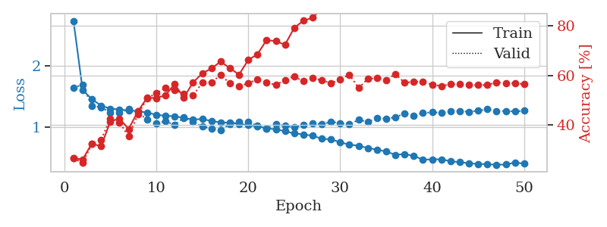
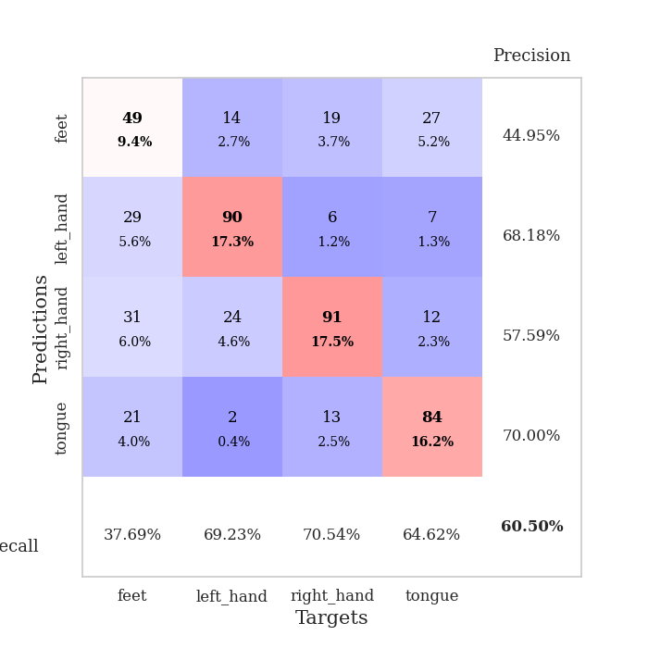
train_loss | valid_loss | train_accuracy | valid_accuracy | dur | train_misclass | valid_misclass
2.7333566782 | 1.6420369988 | 0.26543209877 | 0.26396917148 | 0.83656072617 | 26.543209877 | 26.396917148
1.602202637 | 1.686813817 | 0.2600308642 | 0.24662813102 | 0.82489323616 | 26.00308642 | 24.662813102
1.4524302225 | 1.3426523078 | 0.32407407407 | 0.32177263969 | 0.80805134773 | 32.407407407 | 32.177263969
1.3478736546 | 1.3228523242 | 0.3125 | 0.33911368015 | 0.79542899132 | 31.25 | 33.911368015
1.2979786308 | 1.2280225981 | 0.41280864198 | 0.42389210019 | 0.80143666267 | 41.280864198 | 42.389210019
1.2841316557 | 1.2278866148 | 0.42554012346 | 0.41040462428 | 0.81461572647 | 42.554012346 | 41.040462428
1.267684215 | 1.2892411527 | 0.38271604938 | 0.35260115607 | 0.80154085159 | 38.271604938 | 35.260115607
1.2570522567 | 1.2450875788 | 0.45408950617 | 0.44123314066 | 0.80178499222 | 45.408950617 | 44.123314066
1.2311886545 | 1.1145591554 | 0.50887345679 | 0.50674373796 | 0.81578111649 | 50.887345679 | 50.674373796
1.1992002288 | 1.0560091167 | 0.50848765432 | 0.52793834297 | 0.80720567703 | 50.848765432 | 52.793834297
1.1793503577 | 1.0916638048 | 0.51967592593 | 0.54913294798 | 0.81524324417 | 51.967592593 | 54.913294798
1.1739516041 | 1.0312093271 | 0.56442901235 | 0.53949903661 | 0.79961705208 | 56.442901235 | 53.949903661
1.1436250718 | 1.1543598591 | 0.51041666667 | 0.52601156069 | 0.8111011982 | 51.041666667 | 52.601156069
1.1205405453 | 1.0765765724 | 0.57137345679 | 0.5183044316 | 0.80396032333 | 57.137345679 | 51.83044316
1.1271679975 | 1.0061838818 | 0.60802469136 | 0.57032755299 | 0.81320381165 | 60.802469136 | 57.032755299
1.0966040536 | 0.9680382514 | 0.62808641975 | 0.57225433526 | 0.82045125961 | 62.808641975 | 57.225433526
1.07106302 | 0.94801063345 | 0.65586419753 | 0.60115606936 | 0.81408548355 | 65.586419753 | 60.115606936
1.0698809278 | 1.0444273556 | 0.62924382716 | 0.56840077071 | 0.8148291111 | 62.924382716 | 56.840077071
1.0488116281 | 1.0874928624 | 0.60339506173 | 0.5549132948 | 0.81583690643 | 60.339506173 | 55.49132948
1.0274217361 | 1.0832901346 | 0.66203703704 | 0.56840077071 | 0.8103158474 | 66.203703704 | 56.840077071
1.0081382195 | 1.015481305 | 0.68557098765 | 0.5838150289 | 0.80927729607 | 68.557098765 | 58.38150289
0.97637459525 | 0.97605599673 | 0.74305555556 | 0.57225433526 | 0.8166885376 | 74.305555556 | 57.225433526
0.95915663886 | 1.0413490024 | 0.73842592593 | 0.56069364162 | 0.80964612961 | 73.842592593 | 56.069364162
0.92927731169 | 1.0159552995 | 0.72415123457 | 0.58188824663 | 0.82123398781 | 72.415123457 | 58.188824663
0.89237756494 | 0.99316628843 | 0.7924382716 | 0.59537572254 | 0.80869889259 | 79.24382716 | 59.537572254
0.8769349947 | 1.0263703754 | 0.82137345679 | 0.57610789981 | 0.81511688232 | 82.137345679 | 57.610789981
0.85410514327 | 1.063331793 | 0.83333333333 | 0.58959537572 | 0.82206320763 | 83.333333333 | 58.959537572
0.8051871157 | 1.0410557994 | 0.87075617284 | 0.57996146435 | 0.81105947495 | 87.075617284 | 57.996146435
0.79660929537 | 1.0832460629 | 0.87847222222 | 0.56840077071 | 0.82154798508 | 87.847222222 | 56.840077071
0.74688621804 | 1.0599167214 | 0.90702160494 | 0.5838150289 | 0.81097912788 | 90.702160494 | 58.38150289
0.70936162163 | 1.0423863499 | 0.9212962963 | 0.60308285164 | 0.80429792404 | 92.12962963 | 60.308285164
0.69143420936 | 1.1134263541 | 0.93904320988 | 0.54913294798 | 0.80570101738 | 93.904320988 | 54.913294798
0.65411338615 | 1.0823611676 | 0.94675925926 | 0.58574181118 | 0.80255699158 | 94.675925926 | 58.574181118
0.62808017874 | 1.1384695591 | 0.95601851852 | 0.58959537572 | 0.8208694458 | 95.601851852 | 58.959537572
0.59617342322 | 1.134176619 | 0.95717592593 | 0.58188824663 | 0.8147418499 | 95.717592593 | 58.188824663
0.54359346729 | 1.1566085407 | 0.97723765432 | 0.60500963391 | 0.96379256248 | 97.723765432 | 60.500963391
0.55508953186 | 1.218258023 | 0.98032407407 | 0.57032755299 | 0.83618497849 | 98.032407407 | 57.032755299
0.52489244368 | 1.1868173892 | 0.98341049383 | 0.57418111753 | 0.9203608036 | 98.341049383 | 57.418111753
0.46237955146 | 1.2261804574 | 0.98804012346 | 0.57418111753 | 0.82647252083 | 98.804012346 | 57.418111753
0.46897224516 | 1.2369367631 | 0.9888117284 | 0.56262042389 | 0.8149998188 | 98.88117284 | 56.262042389
0.4694908259 | 1.2284056061 | 0.98842592593 | 0.55684007707 | 0.83306860924 | 98.842592593 | 55.684007707
0.43769600578 | 1.2556635791 | 0.99266975309 | 0.56454720617 | 0.81424474716 | 99.266975309 | 56.454720617
0.42188589302 | 1.2556471351 | 0.99459876543 | 0.56454720617 | 0.82782173157 | 99.459876543 | 56.454720617
0.40505824371 | 1.2486796154 | 0.99575617284 | 0.56069364162 | 0.80958175659 | 99.575617284 | 56.069364162
0.39307734513 | 1.2618606458 | 0.99729938272 | 0.56069364162 | 0.85407042503 | 99.729938272 | 56.069364162
0.38969322662 | 1.2871790681 | 0.99614197531 | 0.56069364162 | 0.81836891174 | 99.614197531 | 56.069364162
0.37999715192 | 1.2522366157 | 0.99537037037 | 0.57225433526 | 0.81001615524 | 99.537037037 | 57.225433526
0.38463859821 | 1.2609881836 | 0.99729938272 | 0.56840077071 | 0.80913805962 | 99.729938272 | 56.840077071
0.41620855972 | 1.2502676862 | 0.99691358025 | 0.56840077071 | 0.80428910255 | 99.691358025 | 56.840077071
0.39828950217 | 1.2631587959 | 0.99691358025 | 0.56454720617 | 0.80992031097 | 99.691358025 | 56.454720617

Best Val accuracy is 0.605009633911368 and Best test accuracy is 0.4645441389290883

Sheet8
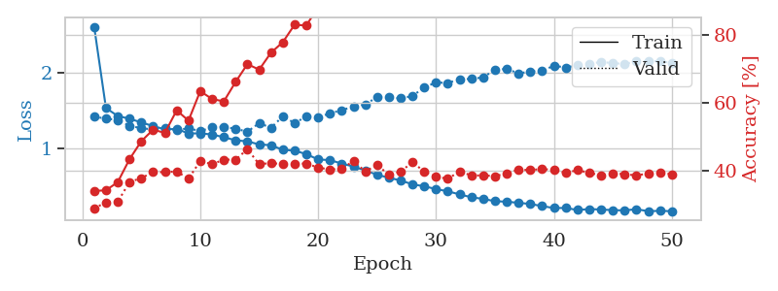
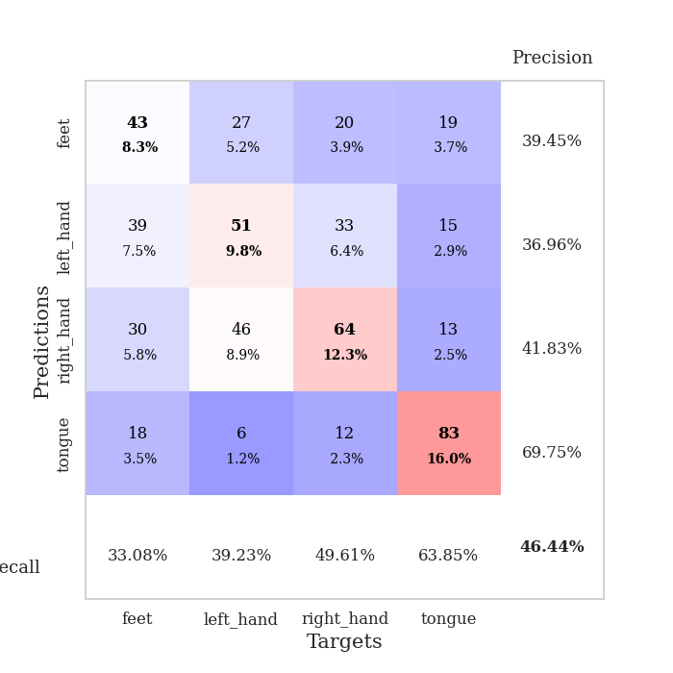
train_loss | valid_loss | train_accuracy | valid_accuracy | dur | train_misclass | valid_misclass
2.6108026276 | 1.4178857734 | 0.34182098765 | 0.29094412331 | 0.82726836205 | 34.182098765 | 29.094412331
1.5325079288 | 1.3911853638 | 0.34375 | 0.30828516378 | 0.8129658699 | 34.375 | 30.828516378
1.4260985822 | 1.374338246 | 0.36766975309 | 0.31021194605 | 0.82542157173 | 36.766975309 | 31.021194605
1.3902570672 | 1.2953778843 | 0.43479938272 | 0.36801541426 | 0.80315923691 | 43.479938272 | 36.801541426
1.3412307567 | 1.2649774423 | 0.48765432099 | 0.3795761079 | 0.80363202095 | 48.765432099 | 37.95761079
1.2922897523 | 1.2478323812 | 0.5212191358 | 0.39691714836 | 0.80747628212 | 52.12191358 | 39.691714836
1.2500054465 | 1.2656076683 | 0.51195987654 | 0.39691714836 | 0.81138014793 | 51.195987654 | 39.691714836
1.2542612784 | 1.2370958877 | 0.57793209877 | 0.39884393064 | 0.80240392685 | 57.793209877 | 39.884393064
1.1956573699 | 1.2651310023 | 0.54783950617 | 0.37764932563 | 0.81859445572 | 54.783950617 | 37.764932563
1.1957663949 | 1.2243949448 | 0.63425925926 | 0.42967244701 | 0.81535935402 | 63.425925926 | 42.967244701
1.1816897238 | 1.2768921347 | 0.61111111111 | 0.42003853565 | 0.80929732323 | 61.111111111 | 42.003853565
1.1446990809 | 1.2832201163 | 0.60416666667 | 0.43352601156 | 0.81543588638 | 60.416666667 | 43.352601156
1.104698736 | 1.2562998402 | 0.6612654321 | 0.43352601156 | 0.81180596352 | 66.12654321 | 43.352601156
1.089798757 | 1.2184693154 | 0.71334876543 | 0.46435452794 | 0.81296491623 | 71.334876543 | 46.435452794
1.0491240164 | 1.3317439751 | 0.69714506173 | 0.42003853565 | 0.81350851059 | 69.714506173 | 42.003853565
1.0393551882 | 1.2696259077 | 0.74691358025 | 0.42389210019 | 0.80693125725 | 74.691358025 | 42.389210019
0.97768383556 | 1.4214160263 | 0.77739197531 | 0.42003853565 | 0.81914567947 | 77.739197531 | 42.003853565
0.96735722121 | 1.3329161079 | 0.8287037037 | 0.42196531792 | 0.81781721115 | 82.87037037 | 42.196531792
0.92051957382 | 1.4188337188 | 0.82638888889 | 0.42196531792 | 0.81088399887 | 82.638888889 | 42.196531792
0.84978027587 | 1.4053217586 | 0.88117283951 | 0.41040462428 | 0.8136742115 | 88.117283951 | 41.040462428
0.84175137375 | 1.4633683508 | 0.88927469136 | 0.40462427746 | 0.8056242466 | 88.927469136 | 40.462427746
0.79540610258 | 1.5013985312 | 0.91242283951 | 0.40655105973 | 0.80482149124 | 91.242283951 | 40.655105973
0.75612908694 | 1.5559058777 | 0.92824074074 | 0.42967244701 | 0.80314040184 | 92.824074074 | 42.967244701
0.70391588695 | 1.5787267965 | 0.94830246914 | 0.39884393064 | 0.80988121033 | 94.830246914 | 39.884393064
0.6484668746 | 1.6778023473 | 0.96180555556 | 0.41811175337 | 0.80888080597 | 96.180555556 | 41.811175337
0.60680790273 | 1.672251756 | 0.97183641975 | 0.38921001927 | 0.80545926094 | 97.183641975 | 38.921001927
0.57146479309 | 1.6593986885 | 0.9837962963 | 0.39884393064 | 0.8067214489 | 98.37962963 | 39.884393064
0.52010725374 | 1.6917212689 | 0.98263888889 | 0.42581888247 | 0.80735325813 | 98.263888889 | 42.581888247
0.49451241146 | 1.8063657468 | 0.98263888889 | 0.39884393064 | 0.80837202072 | 98.263888889 | 39.884393064
0.4570352259 | 1.8710864541 | 0.99344135802 | 0.38342967245 | 0.82872104645 | 99.344135802 | 38.342967245
0.427810607 | 1.8647952365 | 0.99614197531 | 0.37764932563 | 0.80548429489 | 99.614197531 | 37.764932563
0.38664628768 | 1.9138980201 | 0.99614197531 | 0.39884393064 | 0.80541110039 | 99.614197531 | 39.884393064
0.34854395782 | 1.9183787192 | 0.99922839506 | 0.38728323699 | 0.80701112747 | 99.922839506 | 38.728323699
0.327075411 | 1.9388100458 | 0.99807098765 | 0.38728323699 | 0.81399297714 | 99.807098765 | 38.728323699
0.29646724456 | 2.0399435784 | 0.99961419753 | 0.38535645472 | 0.81441903114 | 99.961419753 | 38.535645472
0.28983548766 | 2.0508109232 | 0.99884259259 | 0.39306358382 | 0.91655015945 | 99.884259259 | 39.306358382
0.27498658841 | 1.9908506282 | 1 | 0.40462427746 | 0.80199432373 | 100 | 40.462427746
0.25982242533 | 2.0170644588 | 0.99961419753 | 0.40269749518 | 0.84788823128 | 99.961419753 | 40.269749518
0.23134581954 | 2.0258344373 | 0.99961419753 | 0.40655105973 | 0.77765369415 | 99.961419753 | 40.655105973
0.20586749794 | 2.0932636233 | 1 | 0.40269749518 | 0.77880501747 | 100 | 40.269749518
0.20681307692 | 2.0686725927 | 0.99961419753 | 0.39499036609 | 0.7380027771 | 99.961419753 | 39.499036609
0.17985156234 | 2.1007685776 | 1 | 0.40269749518 | 0.75850081444 | 100 | 40.269749518
0.1922756189 | 2.1149048957 | 1 | 0.39499036609 | 0.75857448578 | 100 | 39.499036609
0.1860257525 | 2.1444028696 | 1 | 0.38728323699 | 0.74321055412 | 100 | 38.728323699
0.17809171286 | 2.1259127513 | 1 | 0.39306358382 | 0.7581114769 | 100 | 39.306358382
0.17427939471 | 2.1172689974 | 1 | 0.39113680154 | 0.76568436623 | 100 | 39.113680154
0.1905440558 | 2.1481024254 | 1 | 0.38728323699 | 0.76512360573 | 100 | 38.728323699
0.16371531605 | 2.1562578536 | 1 | 0.39306358382 | 0.76535582542 | 100 | 39.306358382
0.16873013685 | 2.1530547073 | 1 | 0.39499036609 | 0.75304579735 | 100 | 39.499036609
0.16373088864 | 2.1304740529 | 1 | 0.39113680154 | 0.75908541679 | 100 | 39.113680154

Best Val accuracy is 0.464354527938343 and Best test accuracy is 0.3458755426917511

Sheet9
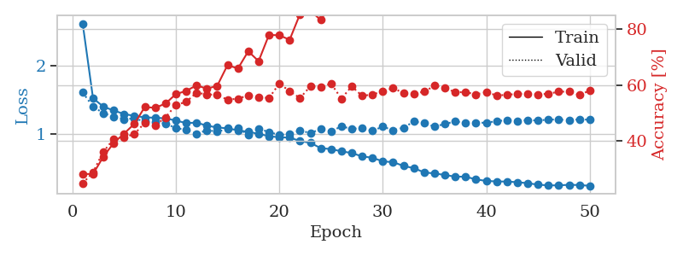
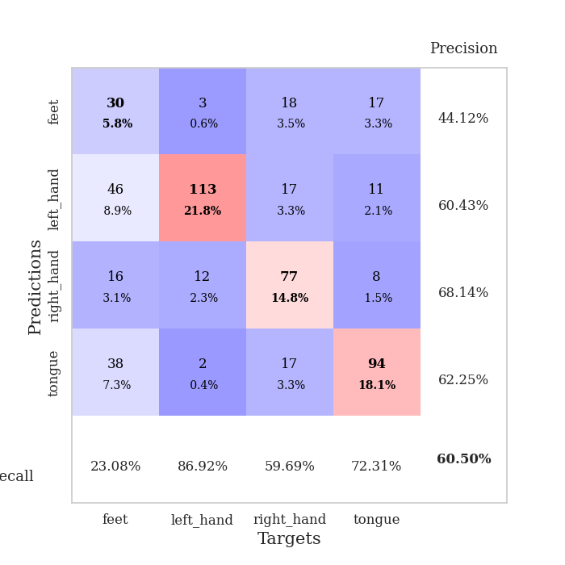
train_loss | valid_loss | train_accuracy | valid_accuracy | dur | train_misclass | valid_misclass
2.609957982 | 1.6073169789 | 0.28047839506 | 0.24662813102 | 0.774340868 | 28.047839506 | 24.662813102
1.5237960661 | 1.4026648082 | 0.28047839506 | 0.28709055877 | 0.7716217041 | 28.047839506 | 28.709055877
1.4014563892 | 1.3068869169 | 0.34259259259 | 0.36030828516 | 0.77114439011 | 34.259259259 | 36.030828516
1.3458717458 | 1.2583215014 | 0.39197530864 | 0.40655105973 | 0.77896738052 | 39.197530864 | 40.655105973
1.2947593596 | 1.2214962476 | 0.42554012346 | 0.41233140655 | 0.78058648109 | 42.554012346 | 41.233140655
1.2677600215 | 1.2289886272 | 0.46064814815 | 0.42389210019 | 0.77373814583 | 46.064814815 | 42.389210019
1.2457566063 | 1.1872496809 | 0.52083333333 | 0.46435452794 | 0.77630639076 | 52.083333333 | 46.435452794
1.2408651437 | 1.1752417972 | 0.51813271605 | 0.45472061657 | 0.78331327438 | 51.813271605 | 45.472061657
1.231661085 | 1.1576967949 | 0.53317901235 | 0.48362235067 | 0.7898888588 | 53.317901235 | 48.362235067
1.2007228673 | 1.0896269207 | 0.56712962963 | 0.52793834297 | 0.7852025032 | 56.712962963 | 52.793834297
1.1624619939 | 1.0661965779 | 0.5787037037 | 0.53949903661 | 0.77601408958 | 57.87037037 | 53.949903661
1.1699329096 | 1.0075851353 | 0.5987654321 | 0.57225433526 | 0.78158950806 | 59.87654321 | 57.225433526
1.1252178517 | 1.0583003355 | 0.58680555556 | 0.56647398844 | 0.78150558472 | 58.680555556 | 56.647398844
1.0996592251 | 1.041361809 | 0.59683641975 | 0.56454720617 | 0.78673195839 | 59.683641975 | 56.454720617
1.0861325006 | 1.0729134292 | 0.67168209877 | 0.5472061657 | 0.79504656792 | 67.168209877 | 54.72061657
1.0573224286 | 1.0855534968 | 0.65895061728 | 0.55105973025 | 0.79194545746 | 65.895061728 | 55.105973025
1.0367307177 | 0.99685854122 | 0.72106481481 | 0.56262042389 | 0.77249288559 | 72.106481481 | 56.262042389
1.00602301 | 1.0774430138 | 0.68557098765 | 0.55684007707 | 0.76354026794 | 68.557098765 | 55.684007707
0.97324423161 | 1.0353166781 | 0.77970679012 | 0.55298651252 | 0.77196621895 | 77.970679012 | 55.298651252
0.95563915078 | 0.98802433721 | 0.77854938272 | 0.60500963391 | 0.7750377655 | 77.854938272 | 60.500963391
0.95257000791 | 1.0068239722 | 0.76234567901 | 0.57803468208 | 0.76564359665 | 76.234567901 | 57.803468208
0.90229450185 | 1.0532200031 | 0.85455246914 | 0.55298651252 | 0.78300571442 | 85.455246914 | 55.298651252
0.87633876429 | 1.0192268536 | 0.86689814815 | 0.59537572254 | 0.77180576324 | 86.689814815 | 59.537572254
0.799212173 | 1.0740454121 | 0.83333333333 | 0.59344894027 | 0.7737467289 | 83.333333333 | 59.344894027
0.78484831769 | 1.0446361763 | 0.8900462963 | 0.60500963391 | 0.76625013351 | 89.00462963 | 60.500963391
0.75269595138 | 1.1142338705 | 0.8850308642 | 0.55105973025 | 0.76614308357 | 88.50308642 | 55.105973025
0.72801563843 | 1.0797113731 | 0.92554012346 | 0.59537572254 | 0.771889925 | 92.554012346 | 59.537572254
0.67885365098 | 1.0886158332 | 0.93479938272 | 0.56069364162 | 0.77253842354 | 93.479938272 | 56.069364162
0.65967748075 | 1.0506100632 | 0.96952160494 | 0.56647398844 | 0.77064061165 | 96.952160494 | 56.647398844
0.60659083568 | 1.1110031233 | 0.97453703704 | 0.57610789981 | 0.7643494606 | 97.453703704 | 57.610789981
0.59534306557 | 1.0580901268 | 0.97955246914 | 0.58959537572 | 0.7931830883 | 97.955246914 | 58.959537572
0.54101383079 | 1.0967423695 | 0.9799382716 | 0.57032755299 | 0.76803302765 | 97.99382716 | 57.032755299
0.50814877165 | 1.1844094227 | 0.98842592593 | 0.56840077071 | 0.76848578453 | 98.842592593 | 56.840077071
0.44654733844 | 1.1625421277 | 0.99459876543 | 0.57610789981 | 0.76967692375 | 99.459876543 | 57.610789981
0.43103673015 | 1.1115243694 | 0.99652777778 | 0.59730250482 | 0.78203034401 | 99.652777778 | 59.730250482
0.4092956384 | 1.1506627254 | 0.99845679012 | 0.58959537572 | 0.80619359016 | 99.845679012 | 58.959537572
0.38451578008 | 1.1858123006 | 0.99575617284 | 0.57418111753 | 0.739559412 | 99.575617284 | 57.418111753
0.38419121329 | 1.1706381928 | 0.99961419753 | 0.57418111753 | 0.74921917915 | 99.961419753 | 57.418111753
0.34455830884 | 1.1699164943 | 0.99961419753 | 0.56647398844 | 0.74522924423 | 99.961419753 | 56.647398844
0.32302097369 | 1.1670842125 | 1 | 0.57418111753 | 0.75879216194 | 100 | 57.418111753
0.31490329391 | 1.1913605237 | 1 | 0.56262042389 | 0.74870824814 | 100 | 56.262042389
0.31361261723 | 1.2039931863 | 1 | 0.56454720617 | 0.76482248306 | 100 | 56.454720617
0.30405941042 | 1.1954769101 | 1 | 0.56840077071 | 0.78327918053 | 100 | 56.840077071
0.29001065967 | 1.2050405693 | 1 | 0.56840077071 | 0.76160430908 | 100 | 56.840077071
0.26808462989 | 1.200531881 | 1 | 0.56647398844 | 0.76388168335 | 100 | 56.647398844
0.25801049251 | 1.2132479919 | 1 | 0.56840077071 | 0.76361489296 | 100 | 56.840077071
0.25835882362 | 1.2146686038 | 1 | 0.57610789981 | 0.76774477959 | 100 | 57.610789981
0.26617335457 | 1.2061999175 | 1 | 0.57610789981 | 0.77069425583 | 100 | 57.610789981
0.26283843862 | 1.2165638514 | 1 | 0.56454720617 | 0.70574736595 | 100 | 56.454720617
0.2516057653 | 1.2122416446 | 1 | 0.57996146435 | 0.76979613304 | 100 | 57.996146435

Best Val accuracy is 0.605009633911368 and Best test accuracy is 0.4278822961890979

Sheet10
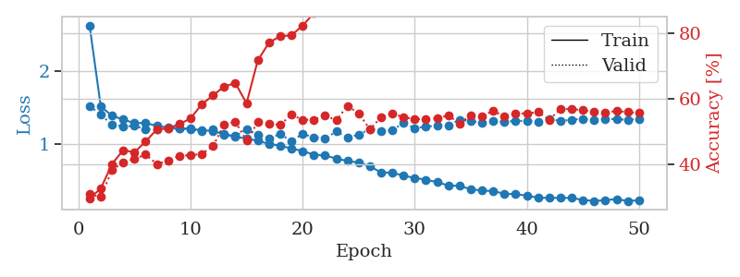
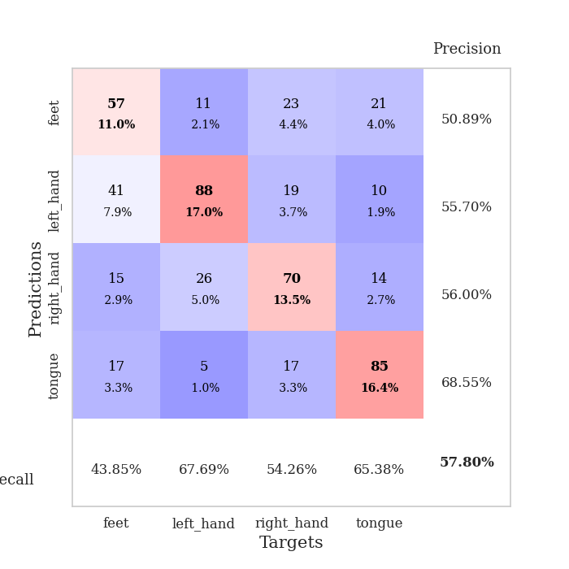
train_loss | valid_loss | train_accuracy | valid_accuracy | dur | train_misclass | valid_misclass
2.6248104547 | 1.5204959258 | 0.2962962963 | 0.30828516378 | 0.73360109329 | 29.62962963 | 30.828516378
1.5149776229 | 1.4039454711 | 0.32600308642 | 0.30057803468 | 0.74295973778 | 32.600308642 | 30.057803468
1.386682336 | 1.2629472608 | 0.40046296296 | 0.38150289017 | 0.76500463486 | 40.046296296 | 38.150289017
1.3367407469 | 1.2413342465 | 0.44328703704 | 0.40655105973 | 0.76167631149 | 44.328703704 | 40.655105973
1.2854032954 | 1.2483019684 | 0.43634259259 | 0.4161849711 | 0.75759768486 | 43.634259259 | 41.61849711
1.2897952537 | 1.2044792118 | 0.46952160494 | 0.42967244701 | 0.75575637817 | 46.952160494 | 42.967244701
1.2472652804 | 1.1990716797 | 0.50617283951 | 0.40077071291 | 0.76251864433 | 50.617283951 | 40.077071291
1.2289274537 | 1.2153126612 | 0.50925925926 | 0.41040462428 | 0.77040219307 | 50.925925926 | 41.040462428
1.2161637751 | 1.209802504 | 0.52237654321 | 0.42581888247 | 0.76694774628 | 52.237654321 | 42.581888247
1.2091379618 | 1.2033162009 | 0.53935185185 | 0.42774566474 | 0.75453209877 | 53.935185185 | 42.774566474
1.1889475168 | 1.1766976527 | 0.5825617284 | 0.43159922929 | 0.77179932594 | 58.25617284 | 43.159922929
1.1804294056 | 1.2034827032 | 0.60956790123 | 0.45472061657 | 0.77307939529 | 60.956790123 | 45.472061657
1.1314380695 | 1.1368483803 | 0.63695987654 | 0.52023121387 | 0.77217650414 | 63.695987654 | 52.023121387
1.099246191 | 1.1075235709 | 0.64776234568 | 0.52986512524 | 0.77224373817 | 64.776234568 | 52.986512524
1.0750378069 | 1.2025257427 | 0.58564814815 | 0.47206165703 | 0.75552344322 | 58.564814815 | 47.206165703
1.0443215628 | 1.1283694108 | 0.71643518519 | 0.52793834297 | 0.76551508904 | 71.643518519 | 52.793834297
1.0019548473 | 1.0818658585 | 0.77044753086 | 0.52215799615 | 0.76665091515 | 77.044753086 | 52.215799615
0.97658135236 | 1.1337421499 | 0.79050925926 | 0.52023121387 | 0.75900697708 | 79.050925926 | 52.023121387
0.93886480876 | 1.0408984531 | 0.79282407407 | 0.55105973025 | 0.74030995369 | 79.282407407 | 55.105973025
0.90333667342 | 1.1370760896 | 0.8225308642 | 0.53564547206 | 0.74627542496 | 82.25308642 | 53.564547206
0.85378898331 | 1.091015858 | 0.86033950617 | 0.53564547206 | 0.74812984467 | 86.033950617 | 53.564547206
0.84220981488 | 1.0776463444 | 0.87885802469 | 0.54913294798 | 0.75392651558 | 87.885802469 | 54.913294798
0.8021577547 | 1.1708078777 | 0.90972222222 | 0.53371868979 | 0.77587389946 | 90.972222222 | 53.371868979
0.76653055773 | 1.0880036113 | 0.91319444444 | 0.57803468208 | 0.76656627655 | 91.319444444 | 57.803468208
0.74682039151 | 1.1288619926 | 0.91666666667 | 0.5549132948 | 0.74688649178 | 91.666666667 | 55.49132948
0.69388726685 | 1.2047867026 | 0.94791666667 | 0.50674373796 | 0.7533326149 | 94.791666667 | 50.674373796
0.61041100526 | 1.1765043175 | 0.96682098765 | 0.54335260116 | 0.73324680328 | 96.682098765 | 54.335260116
0.60754071811 | 1.1856211148 | 0.97106481481 | 0.5549132948 | 0.77495598793 | 97.106481481 | 55.49132948
0.5647667525 | 1.2938853723 | 0.97067901235 | 0.54335260116 | 0.75700712204 | 97.067901235 | 54.335260116
0.53700567469 | 1.2139507328 | 0.98804012346 | 0.53757225434 | 0.76103568077 | 98.804012346 | 53.757225434
0.51053002973 | 1.2408475249 | 0.99266975309 | 0.53757225434 | 0.76283550262 | 99.266975309 | 53.757225434
0.47824054285 | 1.2477787476 | 0.99228395062 | 0.53949903661 | 0.75973725319 | 99.228395062 | 53.949903661
0.43116793639 | 1.2582127513 | 0.99691358025 | 0.54913294798 | 0.75210380554 | 99.691358025 | 54.913294798
0.42791505816 | 1.3311636719 | 0.99691358025 | 0.52408477842 | 0.77560758591 | 99.691358025 | 52.408477842
0.37986781296 | 1.3167508595 | 0.99807098765 | 0.54913294798 | 0.76381254196 | 99.807098765 | 54.913294798
0.36336237514 | 1.2912180336 | 0.99922839506 | 0.5472061657 | 0.75497102737 | 99.922839506 | 54.72061657
0.35517056558 | 1.3135406238 | 0.99922839506 | 0.56262042389 | 0.75792098045 | 99.922839506 | 56.262042389
0.31880218669 | 1.303431996 | 0.99961419753 | 0.54527938343 | 0.76403260231 | 99.961419753 | 54.527938343
0.31383498426 | 1.3180574436 | 0.99922839506 | 0.5549132948 | 0.76750159264 | 99.922839506 | 55.49132948
0.29229341319 | 1.3157727268 | 1 | 0.5549132948 | 0.77565455437 | 100 | 55.49132948
0.2657536457 | 1.3093130471 | 1 | 0.55876685934 | 0.76476621628 | 100 | 55.876685934
0.26107946671 | 1.3449707851 | 1 | 0.53564547206 | 0.75978088379 | 100 | 53.564547206
0.26276824157 | 1.3145161943 | 1 | 0.56840077071 | 0.75342941284 | 100 | 56.840077071
0.2615496255 | 1.3344040546 | 1 | 0.56840077071 | 0.75050354004 | 100 | 56.840077071
0.23401047446 | 1.343855087 | 1 | 0.56454720617 | 0.76219749451 | 100 | 56.454720617
0.21961869936 | 1.3343390449 | 1 | 0.56069364162 | 0.74782204628 | 100 | 56.069364162
0.23056886729 | 1.343154435 | 1 | 0.55684007707 | 0.75124311447 | 100 | 55.684007707
0.24608006436 | 1.3417808082 | 1 | 0.56262042389 | 0.74735951424 | 100 | 56.262042389
0.21883446698 | 1.3306404198 | 1 | 0.55876685934 | 0.73592305183 | 100 | 55.876685934
0.23035970642 | 1.3438819112 | 1 | 0.55684007707 | 0.75816965103 | 100 | 55.684007707

Best Val accuracy is 0.5780346820809249 and Best test accuracy is 0.4534491075735649

