Sheet
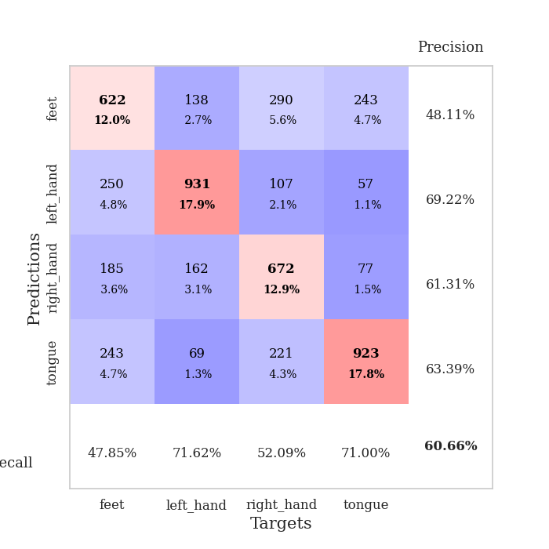
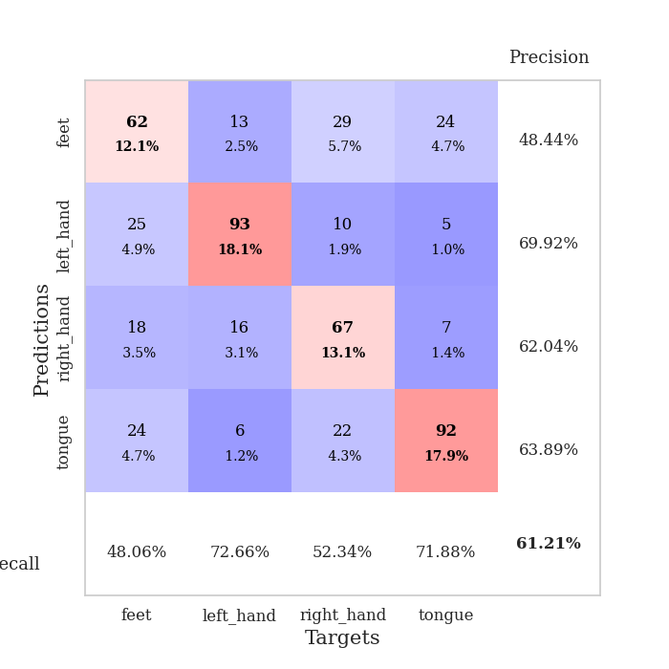
best_val_acc | best_val_los | best_test_acc
0.61849710983 | 1.0515159279 | 0.46213217559
0.58959537572 | 1.1315815186 | 0.43174143753
0.61657032755 | 0.99948425915 | 0.40665701881
0.59537572254 | 1.0691465489 | 0.40617462615
0.59537572254 | 1.0613553669 | 0.40038591413
0.59922928709 | 0.99189778307 | 0.40472744814
0.62620423892 | 1.01137334 | 0.37047756874
0.59344894027 | 1.1128871401 | 0.42739990352
0.63198458574 | 1.0789611503 | 0.42739990352
0.59922928709 | 1.0596771978 | 0.42498794018

Mean,std Val accuracy is 0.6065510597302504 , 0.015247438125342497 and mean, std test accuracy is 0.41620839363241674 , 0.024365791114938647

Sheet1
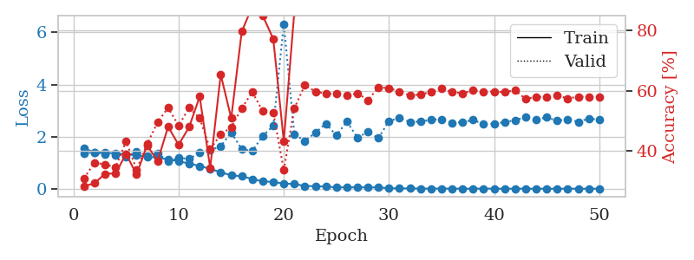
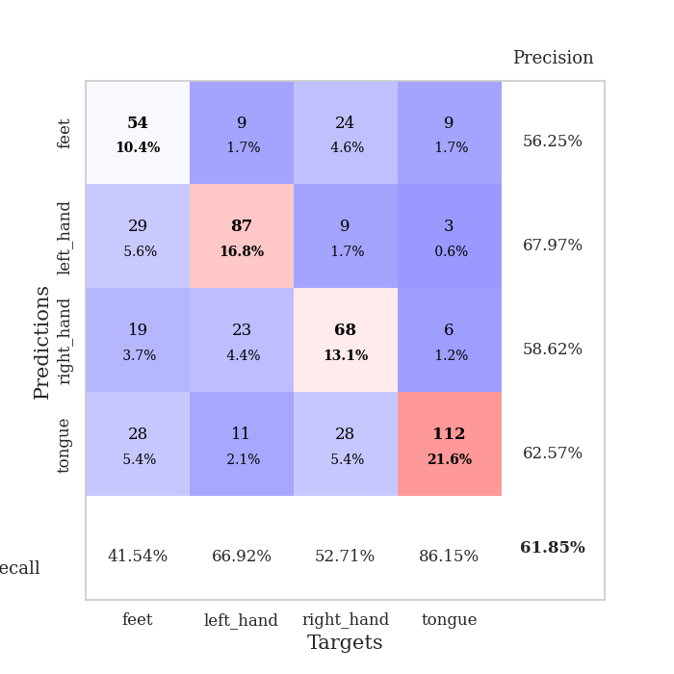
train_loss | valid_loss | train_accuracy | valid_accuracy | dur | train_misclass | valid_misclass
1.5495406588 | 1.3643558443 | 0.28202160494 | 0.30828516378 | 28.446737528 | 28.202160494 | 30.828516378
1.3957723173 | 1.3894894955 | 0.29166666667 | 0.36030828516 | 27.351410389 | 29.166666667 | 36.030828516
1.3753349082 | 1.3082066097 | 0.32330246914 | 0.35452793834 | 27.676809311 | 32.330246914 | 35.452793834
1.3619867056 | 1.2788157631 | 0.32445987654 | 0.34489402697 | 27.662888765 | 32.445987654 | 34.489402697
1.3214849719 | 1.2108872268 | 0.38927469136 | 0.43159922929 | 27.604557753 | 38.927469136 | 43.159922929
1.2853240926 | 1.4203181549 | 0.32098765432 | 0.33718689788 | 27.600943327 | 32.098765432 | 33.718689788
1.23708179 | 1.2681131774 | 0.41820987654 | 0.42196531792 | 28.040011406 | 41.820987654 | 42.196531792
1.1899117246 | 1.3636169677 | 0.36535493827 | 0.49518304432 | 27.901745081 | 36.535493827 | 49.518304432
1.1313018516 | 1.0515159279 | 0.4799382716 | 0.54335260116 | 27.535049438 | 47.99382716 | 54.335260116
1.0529773673 | 1.1840263063 | 0.41975308642 | 0.48362235067 | 27.305948496 | 41.975308642 | 48.362235067
0.96925341163 | 1.1482566472 | 0.47916666667 | 0.54335260116 | 27.613467216 | 47.916666667 | 54.335260116
0.87204903695 | 1.3742269923 | 0.58024691358 | 0.50867052023 | 27.653567791 | 58.024691358 | 50.867052023
0.76164908431 | 1.473758078 | 0.34297839506 | 0.40462427746 | 27.954076529 | 34.297839506 | 40.462427746
0.63456797563 | 1.6335043163 | 0.65393518519 | 0.45472061657 | 27.29993391 | 65.393518519 | 45.472061657
0.51304553228 | 2.1518132691 | 0.50848765432 | 0.47784200385 | 27.821368456 | 50.848765432 | 47.784200385
0.48050435343 | 1.5224820589 | 0.79668209877 | 0.54142581888 | 27.508641958 | 79.668209877 | 54.142581888
0.37441335283 | 1.4434115142 | 0.8800154321 | 0.59537572254 | 27.87658596 | 88.00154321 | 59.537572254
0.27966680237 | 2.0314569152 | 0.84953703704 | 0.53179190751 | 27.952854872 | 84.953703704 | 53.179190751
0.26212041758 | 2.4070145579 | 0.77237654321 | 0.52793834297 | 27.915798187 | 77.237654321 | 52.793834297
0.19802955084 | 6.3299706097 | 0.43209876543 | 0.33526011561 | 27.262377977 | 43.209876543 | 33.526011561
0.18220188614 | 2.0991416745 | 0.86111111111 | 0.54142581888 | 27.581911564 | 86.111111111 | 54.142581888
0.10529528943 | 1.8288712237 | 0.95216049383 | 0.61849710983 | 27.702648401 | 95.216049383 | 61.849710983
0.098506603525 | 2.1520917705 | 0.91396604938 | 0.59730250482 | 27.635683298 | 91.396604938 | 59.730250482
0.079598639902 | 2.4953324992 | 0.93981481481 | 0.58959537572 | 27.631499529 | 93.981481481 | 58.959537572
0.052404510751 | 2.0538318474 | 0.9849537037 | 0.58959537572 | 27.940610886 | 98.49537037 | 58.959537572
0.055122561964 | 2.5740762575 | 0.98919753086 | 0.5838150289 | 27.933305025 | 98.919753086 | 58.38150289
0.053347450302 | 1.9639275694 | 0.9837962963 | 0.591522158 | 27.908707857 | 98.37962963 | 59.1522158
0.051926659033 | 2.1826002575 | 0.98572530864 | 0.56840077071 | 27.562982082 | 98.572530864 | 56.840077071
0.050054491781 | 1.9416352853 | 0.99922839506 | 0.61078998073 | 27.891387939 | 99.922839506 | 61.078998073
0.02008300515 | 2.6025698732 | 0.99691358025 | 0.60886319846 | 27.912960052 | 99.691358025 | 60.886319846
0.011057663167 | 2.7129595137 | 0.99614197531 | 0.59730250482 | 28.020225763 | 99.614197531 | 59.730250482
0.012887672614 | 2.5627871019 | 0.99884259259 | 0.5838150289 | 28.026237726 | 99.884259259 | 58.38150289
0.0075096474643 | 2.5777052207 | 1 | 0.58766859345 | 28.026384592 | 100 | 58.766859345
0.0029493549847 | 2.6496727094 | 1 | 0.59537572254 | 28.05059576 | 100 | 59.537572254
0.0065119508267 | 2.6678323819 | 1 | 0.60693641618 | 27.702656269 | 100 | 60.693641618
0.0042612376537 | 2.5364340918 | 1 | 0.59537572254 | 28.100757837 | 100 | 59.537572254
0.0038946272924 | 2.5455695347 | 0.99691358025 | 0.591522158 | 27.995312214 | 99.691358025 | 59.1522158
0.0026804050269 | 2.6414669107 | 1 | 0.60115606936 | 28.044668674 | 100 | 60.115606936
0.005160919097 | 2.4796877302 | 1 | 0.59730250482 | 28.042808294 | 100 | 59.730250482
0.0038850816897 | 2.5008591393 | 1 | 0.59730250482 | 28.017498255 | 100 | 59.730250482
0.001414484877 | 2.5541674581 | 1 | 0.59537572254 | 27.95417428 | 100 | 59.537572254
0.0025180106921 | 2.6356657025 | 1 | 0.60115606936 | 27.971854925 | 100 | 60.115606936
0.0027931674268 | 2.749738176 | 1 | 0.57225433526 | 28.031419992 | 100 | 57.225433526
0.001230933245 | 2.6438611762 | 1 | 0.57996146435 | 27.938466787 | 100 | 57.996146435
0.00094449828183 | 2.7434028072 | 1 | 0.57803468208 | 27.973800659 | 100 | 57.803468208
0.0012019400859 | 2.6066627337 | 1 | 0.5838150289 | 27.91921854 | 100 | 58.38150289
0.00052708922112 | 2.6698275853 | 1 | 0.57418111753 | 19.976754904 | 100 | 57.418111753
0.00084432014227 | 2.5688501488 | 1 | 0.57996146435 | 19.940180302 | 100 | 57.996146435
0.0010904759377 | 2.69283567 | 1 | 0.57996146435 | 14.504380226 | 100 | 57.996146435
0.0010719617838 | 2.6551051893 | 1 | 0.57803468208 | 11.690868616 | 100 | 57.803468208

Best Val accuracy is 0.6184971098265896 and Best test accuracy is 0.462132175590931

Sheet2
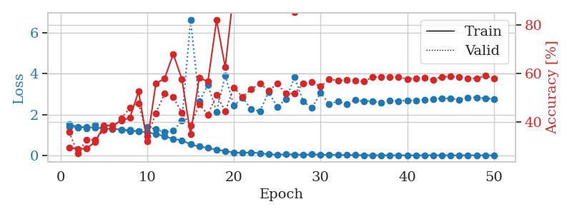
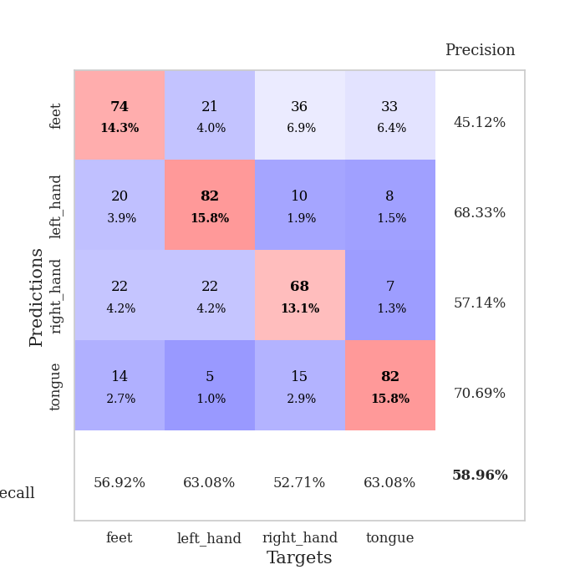
train_loss | valid_loss | train_accuracy | valid_accuracy | dur | train_misclass | valid_misclass
1.5169296368 | 1.3970482347 | 0.29205246914 | 0.35645472062 | 27.194834948 | 29.205246914 | 35.645472062
1.3981066758 | 1.3709626457 | 0.28819444444 | 0.2697495183 | 27.261968613 | 28.819444444 | 26.97495183
1.3805158425 | 1.320251299 | 0.28858024691 | 0.32562620424 | 26.976440191 | 28.858024691 | 32.562620424
1.3555411836 | 1.501229594 | 0.31712962963 | 0.32562620424 | 27.294433117 | 31.712962963 | 32.562620424
1.3189891915 | 1.2403229875 | 0.38425925926 | 0.36608863198 | 27.154903889 | 38.425925926 | 36.608863198
1.2911702932 | 1.3189855277 | 0.38464506173 | 0.37186897881 | 27.627081394 | 38.464506173 | 37.186897881
1.2653604407 | 1.2600533744 | 0.40354938272 | 0.41425818882 | 27.68319273 | 40.354938272 | 41.425818882
1.2345664755 | 1.1701257688 | 0.4174382716 | 0.45664739884 | 27.362631798 | 41.74382716 | 45.664739884
1.1759628753 | 1.1835224284 | 0.52430555556 | 0.47591522158 | 27.705590487 | 52.430555556 | 47.591522158
1.1246166023 | 1.3878762226 | 0.31828703704 | 0.33911368015 | 27.118470907 | 31.828703704 | 33.911368015
1.0493671905 | 1.2898606779 | 0.55825617284 | 0.43545279383 | 26.953906298 | 55.825617284 | 43.545279383
0.93438899738 | 1.1315815186 | 0.57831790123 | 0.51637764933 | 27.262470245 | 57.831790123 | 51.637764933
0.80864229596 | 1.1984506597 | 0.68016975309 | 0.50096339114 | 27.330593586 | 68.016975309 | 50.096339114
0.73710013245 | 1.7064672421 | 0.57600308642 | 0.43737957611 | 27.528018713 | 57.600308642 | 43.737957611
0.53986974199 | 6.6484903811 | 0.34760802469 | 0.38342967245 | 27.642938137 | 34.760802469 | 38.342967245
0.42949840275 | 2.6342376712 | 0.58179012346 | 0.47206165703 | 27.548280001 | 58.179012346 | 47.206165703
0.36677600043 | 3.459227618 | 0.56558641975 | 0.42967244701 | 27.363945484 | 56.558641975 | 42.967244701
0.28006268762 | 2.1368837586 | 0.81944444444 | 0.5105973025 | 27.697338104 | 81.944444444 | 51.05973025
0.20823057794 | 3.905189686 | 0.62577160494 | 0.44315992293 | 27.567759037 | 62.577160494 | 44.315992293
0.13456953925 | 2.4244889299 | 0.94637345679 | 0.54142581888 | 27.64140296 | 94.637345679 | 54.142581888
0.12363554319 | 2.8286077981 | 0.93904320988 | 0.50289017341 | 27.895065069 | 93.904320988 | 50.289017341
0.14783135682 | 2.254147683 | 0.96334876543 | 0.53371868979 | 28.18385005 | 96.334876543 | 53.371868979
0.10159885417 | 2.1623363467 | 0.99537037037 | 0.55876685934 | 28.201612949 | 99.537037037 | 55.876685934
0.055238125712 | 3.0945213599 | 0.93634259259 | 0.52793834297 | 28.163858175 | 93.634259259 | 52.793834297
0.03266313381 | 2.3825290405 | 0.99884259259 | 0.55684007707 | 28.046200037 | 99.884259259 | 55.684007707
0.054758399215 | 2.7433315881 | 0.96875 | 0.51637764933 | 28.2296772 | 96.875 | 51.637764933
0.041369378877 | 3.8273037835 | 0.85223765432 | 0.51637764933 | 28.191569328 | 85.223765432 | 51.637764933
0.028370193055 | 2.640516322 | 0.99035493827 | 0.55684007707 | 27.921817303 | 99.035493827 | 55.684007707
0.050317450827 | 2.3180437474 | 0.99074074074 | 0.56454720617 | 28.102429628 | 99.074074074 | 56.454720617
0.032928194487 | 3.0644717676 | 0.98341049383 | 0.54527938343 | 28.142446756 | 98.341049383 | 54.527938343
0.025413762168 | 2.5116832045 | 0.99652777778 | 0.57610789981 | 28.098075628 | 99.652777778 | 57.610789981
0.019830076891 | 2.652521789 | 1 | 0.57032755299 | 27.637758732 | 100 | 57.032755299
0.01436980734 | 2.5186008445 | 1 | 0.57225433526 | 27.534352303 | 100 | 57.225433526
0.015149970868 | 2.7008989204 | 1 | 0.57032755299 | 27.212206841 | 100 | 57.032755299
0.0057371744939 | 2.6543782015 | 1 | 0.56647398844 | 27.591336012 | 100 | 56.647398844
0.0050306916715 | 2.6569777215 | 1 | 0.5838150289 | 27.27427125 | 100 | 58.38150289
0.0071051192822 | 2.5680915346 | 1 | 0.58574181118 | 27.559120178 | 100 | 58.574181118
0.0022155388213 | 2.6745438155 | 1 | 0.5838150289 | 27.090457201 | 100 | 58.38150289
0.0049858145217 | 2.6579888777 | 1 | 0.58574181118 | 27.534024239 | 100 | 58.574181118
0.0027403522721 | 2.6965739479 | 1 | 0.57610789981 | 27.601217508 | 100 | 57.610789981
0.0014871800466 | 2.6789911363 | 1 | 0.57996146435 | 27.562013149 | 100 | 57.996146435
0.0013762308191 | 2.7294264113 | 1 | 0.58188824663 | 25.513983727 | 100 | 58.188824663
0.0029743817691 | 2.7635989952 | 1 | 0.57418111753 | 19.973601818 | 100 | 57.418111753
0.0028384055104 | 2.7930267346 | 1 | 0.58574181118 | 19.845322847 | 100 | 58.574181118
0.0023969303042 | 2.7790154508 | 1 | 0.58766859345 | 19.968316793 | 100 | 58.766859345
0.0010490433062 | 2.7342279159 | 1 | 0.5838150289 | 19.827438593 | 100 | 58.38150289
0.0012175630027 | 2.8281663865 | 1 | 0.57803468208 | 21.603542328 | 100 | 57.803468208
0.0010028893986 | 2.8346320241 | 1 | 0.57996146435 | 27.334336996 | 100 | 57.996146435
0.001899722766 | 2.7864918879 | 1 | 0.58959537572 | 27.241626501 | 100 | 58.959537572
0.0010327915569 | 2.7689300452 | 1 | 0.57803468208 | 24.849458218 | 100 | 57.803468208

Best Val accuracy is 0.5895953757225434 and Best test accuracy is 0.43174143753014954

Sheet3
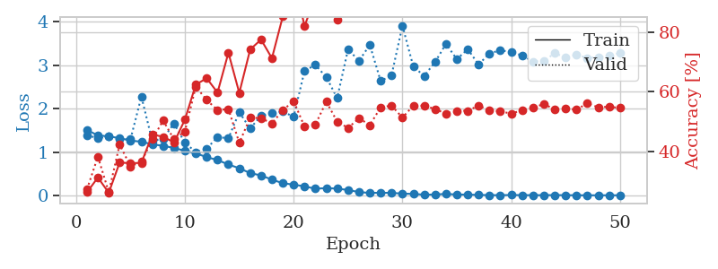
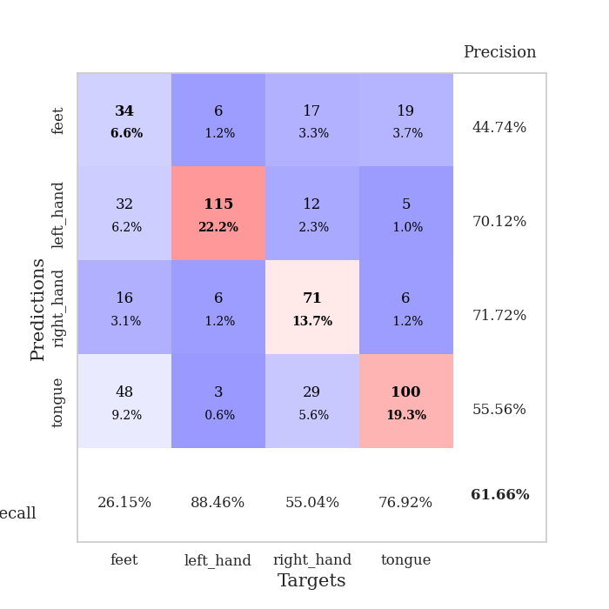
train_loss | valid_loss | train_accuracy | valid_accuracy | dur | train_misclass | valid_misclass
1.5063446466 | 1.3903017653 | 0.26157407407 | 0.27167630058 | 28.067723989 | 26.157407407 | 27.167630058
1.3857652192 | 1.3147188211 | 0.31134259259 | 0.38150289017 | 28.414047241 | 31.134259259 | 38.150289017
1.3597571975 | 1.3603976127 | 0.2600308642 | 0.26204238921 | 28.207595587 | 26.00308642 | 26.204238921
1.3211140846 | 1.2944122066 | 0.36149691358 | 0.42196531792 | 28.304698467 | 36.149691358 | 42.196531792
1.2626177006 | 1.2952053241 | 0.35956790123 | 0.34874759152 | 28.078291655 | 35.956790123 | 34.874759152
1.239097802 | 2.2783016286 | 0.36033950617 | 0.36416184971 | 28.125042677 | 36.033950617 | 36.416184971
1.176826966 | 1.2557272233 | 0.45563271605 | 0.43930635838 | 27.597103834 | 45.563271605 | 43.930635838
1.1445481203 | 1.3095346586 | 0.44830246914 | 0.50289017341 | 27.35926652 | 44.830246914 | 50.289017341
1.0939998925 | 1.6602600863 | 0.42901234568 | 0.43930635838 | 27.444301844 | 42.901234568 | 43.930635838
1.0286028444 | 1.2128154811 | 0.50578703704 | 0.46628131021 | 27.277542114 | 50.578703704 | 46.628131021
0.97072867589 | 0.99948425915 | 0.62345679012 | 0.61657032755 | 27.701108932 | 62.345679012 | 61.657032755
0.88282629792 | 1.0778596858 | 0.6450617284 | 0.57225433526 | 27.371053457 | 64.50617284 | 57.225433526
0.81579744448 | 1.3464731919 | 0.59683641975 | 0.53757225434 | 27.420958042 | 59.683641975 | 53.757225434
0.71260895019 | 1.3162576453 | 0.73070987654 | 0.54142581888 | 27.606336355 | 73.070987654 | 54.142581888
0.62692962909 | 1.9194084732 | 0.59567901235 | 0.42774566474 | 27.374663353 | 59.567901235 | 42.774566474
0.51485947556 | 1.5404326846 | 0.74151234568 | 0.51252408478 | 27.619243622 | 74.151234568 | 51.252408478
0.4606742657 | 1.8416341953 | 0.77507716049 | 0.5105973025 | 27.415613174 | 77.507716049 | 51.05973025
0.36452578808 | 1.8914317313 | 0.71219135802 | 0.49325626204 | 27.313408136 | 71.219135802 | 49.325626204
0.28132189831 | 1.933677833 | 0.85262345679 | 0.53757225434 | 27.755702019 | 85.262345679 | 53.757225434
0.24866738817 | 1.8123735258 | 0.9787808642 | 0.56840077071 | 27.405077696 | 97.87808642 | 56.840077071
0.20873029485 | 2.8732848792 | 0.82098765432 | 0.4816955684 | 27.662493229 | 82.098765432 | 48.16955684
0.15378676707 | 3.0073947084 | 0.91705246914 | 0.4894026975 | 27.714355946 | 91.705246914 | 48.94026975
0.16893012414 | 2.7263836741 | 0.93132716049 | 0.56647398844 | 27.681437016 | 93.132716049 | 56.647398844
0.15634108558 | 2.2431475988 | 0.84143518519 | 0.49903660886 | 27.407847643 | 84.143518519 | 49.903660886
0.12561433586 | 3.3704666327 | 0.92669753086 | 0.47784200385 | 27.648811102 | 92.669753086 | 47.784200385
0.077099277244 | 3.1007116404 | 0.94405864198 | 0.5105973025 | 27.647966385 | 94.405864198 | 51.05973025
0.057530186871 | 3.470197215 | 0.95023148148 | 0.48747591522 | 27.684900522 | 95.023148148 | 48.747591522
0.062318069793 | 2.6343485154 | 0.96952160494 | 0.5472061657 | 27.304080486 | 96.952160494 | 54.72061657
0.057854429483 | 2.7720387331 | 0.97337962963 | 0.55298651252 | 27.585213184 | 97.337962963 | 55.298651252
0.04238582546 | 3.9120186168 | 0.97415123457 | 0.51252408478 | 27.463487387 | 97.415123457 | 51.252408478
0.034949747189 | 2.9694956259 | 0.99421296296 | 0.55298651252 | 27.614565372 | 99.421296296 | 55.298651252
0.017403369423 | 2.7555916057 | 0.99421296296 | 0.55298651252 | 27.386556149 | 99.421296296 | 55.298651252
0.02042864582 | 3.0733496435 | 0.99845679012 | 0.54142581888 | 27.679189682 | 99.845679012 | 54.142581888
0.035738481333 | 3.4932832897 | 0.99961419753 | 0.52601156069 | 21.548845053 | 99.961419753 | 52.601156069
0.019625793383 | 3.1399735049 | 0.99961419753 | 0.53564547206 | 20.311900854 | 99.961419753 | 53.564547206
0.019873462542 | 3.3718018066 | 0.99884259259 | 0.53564547206 | 20.081048012 | 99.884259259 | 53.564547206
0.011522375234 | 3.0172201852 | 0.99729938272 | 0.55298651252 | 20.014668226 | 99.729938272 | 55.298651252
0.0069087614313 | 3.274544961 | 1 | 0.53757225434 | 20.387104511 | 100 | 53.757225434
0.0053491053156 | 3.3449568928 | 1 | 0.53371868979 | 25.67890811 | 100 | 53.371868979
0.0097352749267 | 3.3058758269 | 1 | 0.52601156069 | 27.660682201 | 100 | 52.601156069
0.0066986036073 | 3.2245280187 | 1 | 0.53757225434 | 27.711656809 | 100 | 53.757225434
0.0057332152361 | 3.0874135885 | 1 | 0.54527938343 | 27.715652943 | 100 | 54.527938343
0.0059932344401 | 3.0991186374 | 1 | 0.55876685934 | 27.523269415 | 100 | 55.876685934
0.0078141214727 | 3.2788926296 | 1 | 0.53949903661 | 27.729377747 | 100 | 53.949903661
0.005644466986 | 3.1807743864 | 1 | 0.54335260116 | 27.818477154 | 100 | 54.335260116
0.0041564316557 | 3.2438948563 | 1 | 0.53949903661 | 27.432970285 | 100 | 53.949903661
0.0029600080977 | 3.1702782161 | 1 | 0.56069364162 | 27.791850328 | 100 | 56.069364162
0.0033935868415 | 3.1849670589 | 1 | 0.5472061657 | 27.423212051 | 100 | 54.72061657
0.0032729418623 | 3.2256047712 | 1 | 0.54913294798 | 27.441255331 | 100 | 54.913294798
0.0034543933005 | 3.2834408472 | 1 | 0.54527938343 | 26.040268898 | 100 | 54.527938343

Best Val accuracy is 0.6165703275529865 and Best test accuracy is 0.40665701881331406

Sheet4
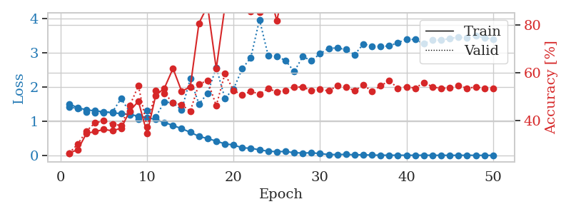
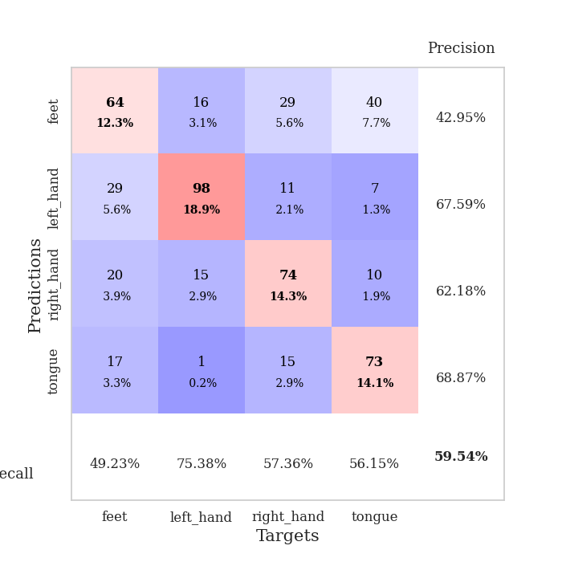
train_loss | valid_loss | train_accuracy | valid_accuracy | dur | train_misclass | valid_misclass
1.5053021062 | 1.4154389897 | 0.26350308642 | 0.26396917148 | 26.948377132 | 26.350308642 | 26.396917148
1.3909927599 | 1.3707231793 | 0.27932098765 | 0.30250481696 | 27.531172752 | 27.932098765 | 30.250481696
1.3339501362 | 1.2585137444 | 0.34683641975 | 0.35645472062 | 27.616782427 | 34.683641975 | 35.645472062
1.300054332 | 1.240916166 | 0.35416666667 | 0.39113680154 | 27.616942883 | 35.416666667 | 39.113680154
1.2782833068 | 1.2485909767 | 0.36304012346 | 0.39884393064 | 27.3093853 | 36.304012346 | 39.884393064
1.2453249049 | 1.273973832 | 0.35763888889 | 0.38535645472 | 27.630302906 | 35.763888889 | 38.535645472
1.2211397224 | 1.6546380116 | 0.36805555556 | 0.3795761079 | 27.367660284 | 36.805555556 | 37.95761079
1.1930237291 | 1.2767060159 | 0.43981481481 | 0.46242774566 | 27.32948041 | 43.981481481 | 46.242774566
1.1506973696 | 1.0691465489 | 0.48109567901 | 0.54527938343 | 27.423264742 | 48.109567901 | 54.527938343
1.1033337024 | 1.3035701741 | 0.34683641975 | 0.37379576108 | 27.663840532 | 34.683641975 | 37.379576108
1.0508819958 | 1.1227302243 | 0.5050154321 | 0.52601156069 | 27.433526516 | 50.50154321 | 52.601156069
0.96285933422 | 1.5654709803 | 0.53510802469 | 0.51445086705 | 27.330564022 | 53.510802469 | 51.445086705
0.87433278432 | 1.534861151 | 0.61766975309 | 0.47398843931 | 27.309440851 | 61.766975309 | 47.398843931
0.78199508731 | 1.3265242905 | 0.52237654321 | 0.46628131021 | 27.671062708 | 52.237654321 | 46.628131021
0.67466411804 | 2.2453876537 | 0.54089506173 | 0.43930635838 | 27.08240819 | 54.089506173 | 43.930635838
0.55786387816 | 1.4990621994 | 0.80671296296 | 0.55298651252 | 27.715997696 | 80.671296296 | 55.298651252
0.4907041433 | 1.8174045768 | 0.87847222222 | 0.56647398844 | 27.664686441 | 87.847222222 | 56.647398844
0.41920157669 | 2.566842335 | 0.61689814815 | 0.46242774566 | 26.98631382 | 61.689814815 | 46.242774566
0.33434769778 | 1.6689637481 | 0.87577160494 | 0.59537572254 | 27.411755562 | 87.577160494 | 59.537572254
0.30688411094 | 1.9427488808 | 0.89390432099 | 0.52601156069 | 27.565398932 | 89.390432099 | 52.601156069
0.22015295263 | 2.5307437233 | 0.92592592593 | 0.50674373796 | 27.685977221 | 92.592592593 | 50.674373796
0.20897546059 | 2.8635865997 | 0.85532407407 | 0.52215799615 | 27.700823545 | 85.532407407 | 52.215799615
0.16223516067 | 3.9699095674 | 0.85300925926 | 0.5105973025 | 27.832998037 | 85.300925926 | 51.05973025
0.12175103589 | 2.9241602366 | 0.95293209877 | 0.53371868979 | 28.054887772 | 95.293209877 | 53.371868979
0.10864092791 | 2.8894126485 | 0.8175154321 | 0.52023121387 | 28.180284262 | 81.75154321 | 52.023121387
0.11404547786 | 2.7800131575 | 0.9787808642 | 0.52601156069 | 19.91063118 | 97.87808642 | 52.601156069
0.078049269912 | 2.4477328083 | 0.98302469136 | 0.54142581888 | 19.81132865 | 98.302469136 | 54.142581888
0.068768065611 | 2.8888011011 | 0.97183641975 | 0.53949903661 | 19.122103691 | 97.183641975 | 53.949903661
0.07596322962 | 2.7697858877 | 0.99575617284 | 0.52601156069 | 19.977940559 | 99.575617284 | 52.601156069
0.052410256039 | 2.9720361887 | 0.98726851852 | 0.52986512524 | 20.300539017 | 98.726851852 | 52.986512524
0.024878101511 | 3.1339634002 | 0.99884259259 | 0.52408477842 | 27.975410461 | 99.884259259 | 52.408477842
0.024758084027 | 3.1399634298 | 0.99729938272 | 0.54527938343 | 27.847692013 | 99.729938272 | 54.527938343
0.029791419305 | 3.0942372525 | 0.99961419753 | 0.54142581888 | 28.097948551 | 99.961419753 | 54.142581888
0.016586216966 | 2.9451575559 | 0.99807098765 | 0.52408477842 | 27.923531532 | 99.807098765 | 52.408477842
0.018172865527 | 3.2569506389 | 0.99961419753 | 0.54913294798 | 27.825013638 | 99.961419753 | 54.913294798
0.0078110088735 | 3.1970320977 | 1 | 0.52215799615 | 27.684509516 | 100 | 52.215799615
0.0063299106729 | 3.1814052337 | 1 | 0.54527938343 | 27.976341963 | 100 | 54.527938343
0.0042096870992 | 3.200559465 | 1 | 0.56647398844 | 28.069594622 | 100 | 56.647398844
0.0054780784486 | 3.2950644433 | 1 | 0.53564547206 | 28.26364398 | 100 | 53.564547206
0.004005168708 | 3.3995384851 | 1 | 0.54142581888 | 28.141219616 | 100 | 54.142581888
0.0036478416876 | 3.386655363 | 1 | 0.53564547206 | 28.322447062 | 100 | 53.564547206
0.0050871344128 | 3.2695313313 | 1 | 0.55876685934 | 27.964664936 | 100 | 55.876685934
0.003551298708 | 3.3772960162 | 1 | 0.54142581888 | 27.955860615 | 100 | 54.142581888
0.0020423550404 | 3.3659741249 | 1 | 0.53371868979 | 28.128690481 | 100 | 53.371868979
0.0024708458572 | 3.4227439059 | 1 | 0.53757225434 | 28.002153635 | 100 | 53.757225434
0.0018543284132 | 3.4491155143 | 1 | 0.54527938343 | 28.210927248 | 100 | 54.527938343
0.0046177895449 | 3.4396465493 | 1 | 0.53564547206 | 28.228393793 | 100 | 53.564547206
0.0021743625321 | 3.4994192438 | 1 | 0.53949903661 | 27.833400249 | 100 | 53.949903661
0.001368242734 | 3.4360888925 | 1 | 0.53564547206 | 28.077653408 | 100 | 53.564547206
0.0014638520875 | 3.4029195561 | 1 | 0.53371868979 | 28.228915215 | 100 | 53.371868979

Best Val accuracy is 0.5953757225433526 and Best test accuracy is 0.40617462614568256

Sheet5
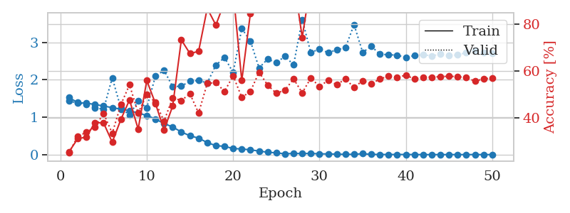
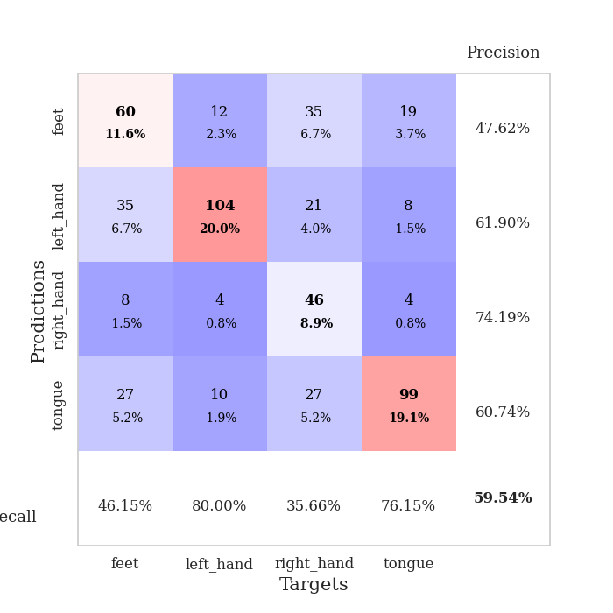
train_loss | valid_loss | train_accuracy | valid_accuracy | dur | train_misclass | valid_misclass
1.5230534607 | 1.4372629168 | 0.25424382716 | 0.25048169557 | 28.739093304 | 25.424382716 | 25.048169557
1.390363747 | 1.3744112065 | 0.31018518519 | 0.31984585742 | 28.310731649 | 31.018518519 | 31.984585742
1.371980737 | 1.3419016724 | 0.31674382716 | 0.33718689788 | 27.936705589 | 31.674382716 | 33.718689788
1.3411574916 | 1.2461776545 | 0.37962962963 | 0.36030828516 | 27.605072498 | 37.962962963 | 36.030828516
1.2955602794 | 1.2151111185 | 0.37731481481 | 0.41811175337 | 27.163375854 | 37.731481481 | 41.811175337
1.2557256005 | 2.0511443413 | 0.29513888889 | 0.33333333333 | 27.418255329 | 29.513888889 | 33.333333333
1.2129935343 | 1.2402516733 | 0.39274691358 | 0.45664739884 | 27.802781582 | 39.274691358 | 45.664739884
1.1711569649 | 1.0613553669 | 0.47646604938 | 0.54142581888 | 27.66576457 | 47.646604938 | 54.142581888
1.1117400711 | 1.4316096329 | 0.35146604938 | 0.42003853565 | 27.470698833 | 35.146604938 | 42.003853565
1.0446381679 | 1.2483174856 | 0.55941358025 | 0.49903660886 | 27.462055206 | 55.941358025 | 49.903660886
0.95103831939 | 2.0957894015 | 0.46141975309 | 0.46628131021 | 27.65617609 | 46.141975309 | 46.628131021
0.82986688393 | 2.2509885833 | 0.34760802469 | 0.38535645472 | 27.391219139 | 34.760802469 | 38.535645472
0.73849596083 | 1.8123737709 | 0.45023148148 | 0.48554913295 | 27.658609867 | 45.023148148 | 48.554913295
0.60400516429 | 1.8293402889 | 0.7337962963 | 0.47398843931 | 27.341599703 | 73.37962963 | 47.398843931
0.50404715786 | 1.959462542 | 0.67515432099 | 0.50289017341 | 27.590292454 | 67.515432099 | 50.289017341
0.43997860498 | 1.9780011891 | 0.68479938272 | 0.42003853565 | 27.400257826 | 68.479938272 | 42.003853565
0.32226660926 | 1.9142427725 | 0.86882716049 | 0.5472061657 | 23.247308016 | 86.882716049 | 54.72061657
0.23987719584 | 2.3886137794 | 0.7974537037 | 0.55105973025 | 20.002368212 | 79.74537037 | 55.105973025
0.22162912115 | 2.5934217208 | 0.89583333333 | 0.51252408478 | 19.846570969 | 89.583333333 | 51.252408478
0.16351097547 | 2.1926671609 | 0.94020061728 | 0.57996146435 | 19.918717623 | 94.020061728 | 57.996146435
0.15115408993 | 3.3651426344 | 0.55941358025 | 0.48747591522 | 19.358762026 | 55.941358025 | 48.747591522
0.1284576808 | 3.0327139535 | 0.84760802469 | 0.51252408478 | 24.883558273 | 84.760802469 | 51.252408478
0.095343387806 | 2.3146655495 | 0.94830246914 | 0.59537572254 | 27.437807083 | 94.830246914 | 59.537572254
0.064038999281 | 2.5527140051 | 0.97415123457 | 0.53949903661 | 27.742142916 | 97.415123457 | 53.949903661
0.047769266605 | 2.4512795419 | 0.99305555556 | 0.50481695568 | 27.827780247 | 99.305555556 | 50.481695568
0.021703285602 | 2.6258384649 | 0.99768518519 | 0.5183044316 | 27.586498976 | 99.768518519 | 51.83044316
0.034103160505 | 2.3964269405 | 0.99768518519 | 0.56647398844 | 27.819550753 | 99.768518519 | 56.647398844
0.027806713992 | 3.6062956316 | 0.74459876543 | 0.50674373796 | 27.795245647 | 74.459876543 | 50.674373796
0.033660342932 | 2.7168325845 | 0.98109567901 | 0.57032755299 | 27.220712662 | 98.109567901 | 57.032755299
0.021532969185 | 2.8288805985 | 0.99922839506 | 0.53371868979 | 27.534550428 | 99.922839506 | 53.371868979
0.019291672409 | 2.7176906158 | 0.99961419753 | 0.56069364162 | 27.801266193 | 99.961419753 | 56.069364162
0.013853493725 | 2.8006058327 | 1 | 0.54142581888 | 27.472481012 | 100 | 54.142581888
0.007439306653 | 2.8508335938 | 1 | 0.56647398844 | 27.475524664 | 100 | 56.647398844
0.0098172412026 | 3.4712070835 | 1 | 0.52986512524 | 27.500795364 | 100 | 52.986512524
0.024905837037 | 2.7298367469 | 0.99961419753 | 0.55876685934 | 27.784430504 | 99.961419753 | 55.876685934
0.0072496324546 | 2.8934528047 | 1 | 0.54527938343 | 27.735020399 | 100 | 54.527938343
0.0045155034231 | 2.6788057321 | 1 | 0.56647398844 | 27.872032642 | 100 | 56.647398844
0.0027342965572 | 2.6684495034 | 1 | 0.57803468208 | 27.466728449 | 100 | 57.803468208
0.0050543802419 | 2.65430413 | 1 | 0.57418111753 | 27.461703539 | 100 | 57.418111753
0.0040585603674 | 2.5950338505 | 1 | 0.58188824663 | 27.748992205 | 100 | 58.188824663
0.0028089022092 | 2.6424322124 | 1 | 0.56647398844 | 27.718320608 | 100 | 56.647398844
0.0010252451223 | 2.6673727872 | 1 | 0.57418111753 | 27.265810013 | 100 | 57.418111753
0.0010664695912 | 2.6377002926 | 1 | 0.57418111753 | 27.744048119 | 100 | 57.418111753
0.0012571316361 | 2.6784633065 | 1 | 0.57610789981 | 27.72252655 | 100 | 57.610789981
0.0017516016714 | 2.6414738253 | 1 | 0.57803468208 | 27.68855238 | 100 | 57.803468208
0.0018218904125 | 2.6616048726 | 1 | 0.57610789981 | 27.817507744 | 100 | 57.610789981
0.0012415497257 | 2.7219627767 | 1 | 0.57225433526 | 27.761087656 | 100 | 57.225433526
0.0032324694367 | 2.7742407919 | 1 | 0.55684007707 | 27.922705173 | 100 | 55.684007707
0.0013173069237 | 2.7312570073 | 1 | 0.56647398844 | 28.084251404 | 100 | 56.647398844
0.0013923759713 | 2.7067430309 | 1 | 0.57032755299 | 26.717236757 | 100 | 57.032755299

Best Val accuracy is 0.5953757225433526 and Best test accuracy is 0.4003859141341052

Sheet6
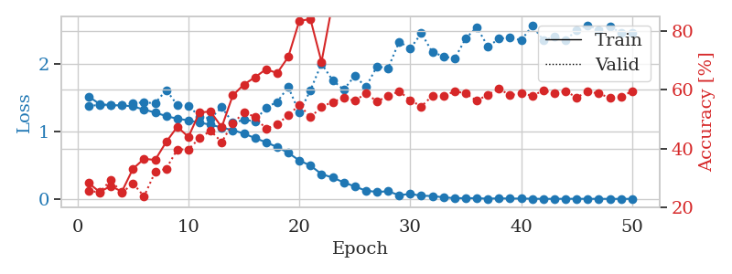
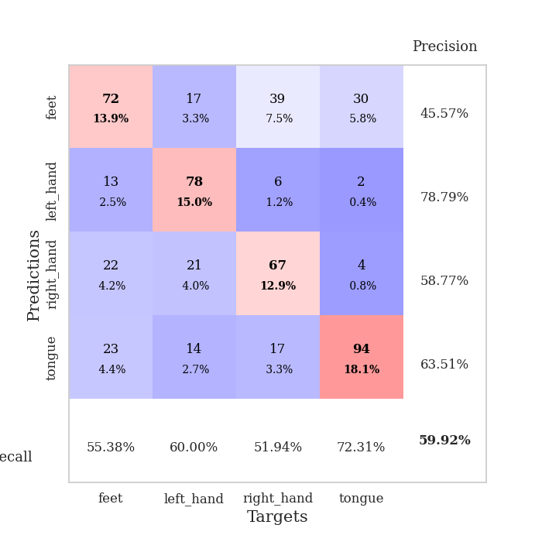
train_loss | valid_loss | train_accuracy | valid_accuracy | dur | train_misclass | valid_misclass
1.5020620183 | 1.3892918483 | 0.27044753086 | 0.29865125241 | 28.070861101 | 27.044753086 | 29.865125241
1.3911367662 | 1.3556201343 | 0.28742283951 | 0.31984585742 | 28.044979334 | 28.742283951 | 31.984585742
1.3746413095 | 1.3414763272 | 0.3024691358 | 0.35452793834 | 27.511460304 | 30.24691358 | 35.452793834
1.3444031874 | 1.3124209259 | 0.32793209877 | 0.38150289017 | 27.298425674 | 32.793209877 | 38.150289017
1.29537815 | 1.351238344 | 0.36728395062 | 0.37764932563 | 27.499867439 | 36.728395062 | 37.764932563
1.2711271331 | 1.2550369763 | 0.4162808642 | 0.408477842 | 27.314634085 | 41.62808642 | 40.8477842
1.2548898966 | 1.2287699053 | 0.43595679012 | 0.4450867052 | 27.640069246 | 43.595679012 | 44.50867052
1.2192239463 | 1.423711949 | 0.37114197531 | 0.44315992293 | 25.053234577 | 37.114197531 | 44.315992293
1.1558485988 | 1.1062373244 | 0.49035493827 | 0.54142581888 | 19.791665077 | 49.035493827 | 54.142581888
1.0975092153 | 0.99189778307 | 0.54398148148 | 0.58574181118 | 19.233760118 | 54.398148148 | 58.574181118
1.029829565 | 2.0653645864 | 0.31712962963 | 0.33718689788 | 19.463779688 | 31.712962963 | 33.718689788
0.96312991778 | 1.0648690772 | 0.49768518519 | 0.5549132948 | 19.649352312 | 49.768518519 | 55.49132948
0.81737201284 | 1.1119383291 | 0.69830246914 | 0.52408477842 | 21.09185195 | 69.830246914 | 52.408477842
0.73082415612 | 1.6008026205 | 0.64274691358 | 0.43159922929 | 28.029971838 | 64.274691358 | 43.159922929
0.65464724582 | 1.4389024768 | 0.77507716049 | 0.52023121387 | 28.356827497 | 77.507716049 | 52.023121387
0.51939060833 | 2.9287169026 | 0.75617283951 | 0.45472061657 | 28.036905766 | 75.617283951 | 45.472061657
0.39162771418 | 2.22673066 | 0.56790123457 | 0.50481695568 | 28.343416691 | 56.790123457 | 50.481695568
0.31797236204 | 2.4806671584 | 0.69984567901 | 0.50481695568 | 28.290562153 | 69.984567901 | 50.481695568
0.23793922289 | 2.6679534733 | 0.88310185185 | 0.50867052023 | 28.225363731 | 88.310185185 | 50.867052023
0.21031909042 | 1.9472188329 | 0.95679012346 | 0.48747591522 | 27.910096169 | 95.679012346 | 48.747591522
0.16881103664 | 2.6856745957 | 0.70640432099 | 0.5183044316 | 27.844046831 | 70.640432099 | 51.83044316
0.12939362662 | 1.9050871221 | 0.97067901235 | 0.53949903661 | 27.935087919 | 97.067901235 | 53.949903661
0.096187615212 | 2.4286341081 | 0.97530864198 | 0.56069364162 | 28.167983532 | 97.530864198 | 56.069364162
0.086857390627 | 2.5235541377 | 0.96334876543 | 0.52986512524 | 27.858034372 | 96.334876543 | 52.986512524
0.051312471295 | 2.8542144903 | 0.93055555556 | 0.51252408478 | 27.907155991 | 93.055555556 | 51.252408478
0.048502401199 | 2.487360845 | 0.99266975309 | 0.54913294798 | 28.234326839 | 99.266975309 | 54.913294798
0.061253102708 | 2.9012702614 | 0.98302469136 | 0.55876685934 | 27.874698162 | 98.302469136 | 55.876685934
0.049228560255 | 2.2841815094 | 0.99459876543 | 0.57225433526 | 27.899333239 | 99.459876543 | 57.225433526
0.036431589092 | 2.9766077351 | 0.95524691358 | 0.57032755299 | 28.147195578 | 95.524691358 | 57.032755299
0.020674689571 | 2.5693233213 | 0.99961419753 | 0.57803468208 | 28.185258865 | 99.961419753 | 57.803468208
0.020973879072 | 3.0462143146 | 0.97762345679 | 0.55876685934 | 28.188525438 | 97.762345679 | 55.876685934
0.01518595586 | 2.7843515097 | 0.99884259259 | 0.57610789981 | 28.16751647 | 99.884259259 | 57.610789981
0.015770110563 | 3.1294014823 | 0.9849537037 | 0.56262042389 | 27.865788698 | 98.49537037 | 56.262042389
0.011637651902 | 2.6283017399 | 1 | 0.57225433526 | 28.201606512 | 100 | 57.225433526
0.010385475325 | 2.6997191396 | 1 | 0.57032755299 | 28.221640587 | 100 | 57.032755299
0.0086188721651 | 2.7775348717 | 0.99922839506 | 0.57418111753 | 27.94154644 | 99.922839506 | 57.418111753
0.0060751863194 | 2.7698207407 | 1 | 0.57996146435 | 27.842415571 | 100 | 57.996146435
0.0041552595558 | 2.8516350004 | 1 | 0.58959537572 | 28.234338045 | 100 | 58.959537572
0.0044747129149 | 2.8021858294 | 1 | 0.57803468208 | 27.936891079 | 100 | 57.803468208
0.0028199039097 | 2.7561311841 | 1 | 0.57418111753 | 28.249966383 | 100 | 57.418111753
0.0016399936419 | 2.7377827903 | 1 | 0.58574181118 | 28.248599768 | 100 | 58.574181118
0.0045651204232 | 2.8793067574 | 1 | 0.58188824663 | 27.906754494 | 100 | 58.188824663
0.0012490395519 | 2.7459118196 | 1 | 0.57996146435 | 28.215937138 | 100 | 57.996146435
0.0030740303213 | 2.8194595008 | 1 | 0.58188824663 | 28.188688993 | 100 | 58.188824663
0.0013632355217 | 2.7706879035 | 1 | 0.57996146435 | 28.106838942 | 100 | 57.996146435
0.0018318340619 | 2.7981543849 | 1 | 0.591522158 | 28.188961029 | 100 | 59.1522158
0.0016529735613 | 2.7634786838 | 1 | 0.58574181118 | 28.19391036 | 100 | 58.574181118
0.0020991528074 | 2.8588734913 | 1 | 0.59922928709 | 28.225813866 | 100 | 59.922928709
0.001010274695 | 2.7760276018 | 1 | 0.59730250482 | 28.293476343 | 100 | 59.730250482
0.0014256084396 | 2.7629599562 | 1 | 0.57803468208 | 28.205488682 | 100 | 57.803468208

Best Val accuracy is 0.5992292870905588 and Best test accuracy is 0.4047274481427882

Sheet7
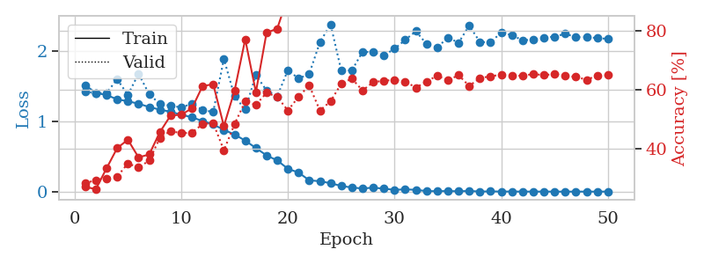
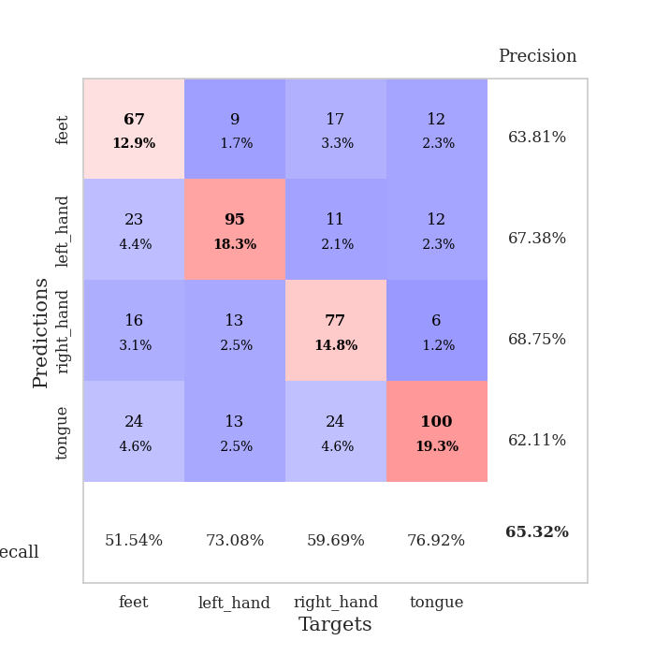
train_loss | valid_loss | train_accuracy | valid_accuracy | dur | train_misclass | valid_misclass
1.483772411 | 1.5097281402 | 0.26273148148 | 0.27360308285 | 20.023766041 | 26.273148148 | 27.360308285
1.3908624892 | 1.3419512892 | 0.3013117284 | 0.36223506744 | 20.074807167 | 30.13117284 | 36.223506744
1.3686599849 | 1.3595444887 | 0.30362654321 | 0.31213872832 | 20.015691042 | 30.362654321 | 31.213872832
1.3429135813 | 1.5364831934 | 0.29205246914 | 0.31599229287 | 20.184321642 | 29.205246914 | 31.599229287
1.2738015081 | 1.166969006 | 0.44135802469 | 0.45086705202 | 23.124563217 | 44.135802469 | 45.086705202
1.1962546434 | 1.2567335505 | 0.47955246914 | 0.48362235067 | 28.071663618 | 47.955246914 | 48.362235067
1.1322437499 | 1.4556424689 | 0.4637345679 | 0.45472061657 | 28.137275696 | 46.37345679 | 45.472061657
1.0914226053 | 1.01137334 | 0.59220679012 | 0.591522158 | 28.099468231 | 59.220679012 | 59.1522158
1.005394936 | 1.1393963786 | 0.42168209877 | 0.50289017341 | 28.099204302 | 42.168209877 | 50.289017341
0.91856691112 | 1.2570206634 | 0.56172839506 | 0.51252408478 | 28.070807934 | 56.172839506 | 51.252408478
0.85624525135 | 1.0969112007 | 0.70794753086 | 0.56840077071 | 28.41521287 | 70.794753086 | 56.840077071
0.7069895744 | 1.8276300026 | 0.62384259259 | 0.47591522158 | 27.627237797 | 62.384259259 | 47.591522158
0.59443909519 | 1.7237598241 | 0.47067901235 | 0.41811175337 | 27.534982204 | 47.067901235 | 41.811175337
0.51962027404 | 2.8897573723 | 0.39236111111 | 0.46820809249 | 27.103925228 | 39.236111111 | 46.820809249
0.40249398346 | 1.6330715563 | 0.73919753086 | 0.51252408478 | 27.728496075 | 73.919753086 | 51.252408478
0.36463631851 | 1.5260337093 | 0.76311728395 | 0.62620423892 | 27.785576344 | 76.311728395 | 62.620423892
0.26892692347 | 2.1346910978 | 0.8325617284 | 0.55876685934 | 27.382440567 | 83.25617284 | 55.876685934
0.19756530369 | 4.034480184 | 0.59027777778 | 0.38342967245 | 27.413212299 | 59.027777778 | 38.342967245
0.152113046 | 2.0323337507 | 0.95177469136 | 0.61657032755 | 27.748832941 | 95.177469136 | 61.657032755
0.14018715523 | 2.3975978238 | 0.93132716049 | 0.55684007707 | 27.743932009 | 93.132716049 | 55.684007707
0.14094705187 | 1.8092929155 | 0.99035493827 | 0.5549132948 | 27.106310129 | 99.035493827 | 55.49132948
0.071144785397 | 3.0173424498 | 0.87152777778 | 0.49903660886 | 27.425758362 | 87.152777778 | 49.903660886
0.089458946797 | 2.1525948594 | 0.94521604938 | 0.61271676301 | 27.487808466 | 94.521604938 | 61.271676301
0.10152159627 | 2.0111148619 | 0.95949074074 | 0.60500963391 | 27.637896061 | 95.949074074 | 60.500963391
0.060435070074 | 2.5141037296 | 0.97106481481 | 0.57996146435 | 27.776175737 | 97.106481481 | 57.996146435
0.046192785648 | 2.5446675453 | 0.9587191358 | 0.55298651252 | 27.792383432 | 95.87191358 | 55.298651252
0.045071333183 | 2.2056671558 | 0.99845679012 | 0.59344894027 | 27.340044737 | 99.845679012 | 59.344894027
0.037827368919 | 2.5087685989 | 0.99768518519 | 0.55105973025 | 27.642038584 | 99.768518519 | 55.105973025
0.02878794929 | 2.1402026932 | 0.99652777778 | 0.59344894027 | 27.739229918 | 99.652777778 | 59.344894027
0.028235627267 | 3.9496335648 | 0.69212962963 | 0.46435452794 | 27.493435383 | 69.212962963 | 46.435452794
0.017302998732 | 2.5993953734 | 1 | 0.58188824663 | 27.354452372 | 100 | 58.188824663
0.0092351672091 | 2.3415667896 | 1 | 0.61657032755 | 27.684417725 | 100 | 61.657032755
0.015991958794 | 2.3801467037 | 1 | 0.60693641618 | 27.68142271 | 100 | 60.693641618
0.0045390656638 | 2.5005385109 | 1 | 0.58766859345 | 27.685310841 | 100 | 58.766859345
0.0050531543736 | 2.5382835723 | 1 | 0.60886319846 | 27.650333881 | 100 | 60.886319846
0.0021479260579 | 2.556561504 | 1 | 0.59537572254 | 27.689005375 | 100 | 59.537572254
0.0021525628489 | 2.4911489891 | 1 | 0.60886319846 | 27.653540611 | 100 | 60.886319846
0.003762556668 | 2.5065206535 | 1 | 0.60115606936 | 27.731994629 | 100 | 60.115606936
0.0028223170343 | 2.579407115 | 1 | 0.60115606936 | 27.425770044 | 100 | 60.115606936
0.0030082333117 | 2.5708299446 | 1 | 0.59730250482 | 27.754738331 | 100 | 59.730250482
0.0034303849521 | 2.5549745321 | 1 | 0.60500963391 | 27.377338648 | 100 | 60.500963391
0.0022789046018 | 2.4815064882 | 1 | 0.60693641618 | 27.798540115 | 100 | 60.693641618
0.0037348029032 | 2.574770321 | 1 | 0.61271676301 | 27.819920301 | 100 | 61.271676301
0.0042320459986 | 2.6456143061 | 1 | 0.59922928709 | 27.788747549 | 100 | 59.922928709
0.0017555502855 | 2.7123719383 | 1 | 0.60115606936 | 27.549645662 | 100 | 60.115606936
0.0027496799125 | 2.6949424073 | 1 | 0.60308285164 | 27.88169837 | 100 | 60.308285164
0.0023120881575 | 2.6395177152 | 1 | 0.591522158 | 27.975156546 | 100 | 59.1522158
0.0014690862425 | 2.7343010654 | 1 | 0.60500963391 | 27.586371899 | 100 | 60.500963391
0.001533995526 | 2.6498270935 | 1 | 0.60500963391 | 27.930546522 | 100 | 60.500963391
0.0025954676677 | 2.662006471 | 1 | 0.60693641618 | 27.962573767 | 100 | 60.693641618

Best Val accuracy is 0.626204238921002 and Best test accuracy is 0.3704775687409551

Sheet8
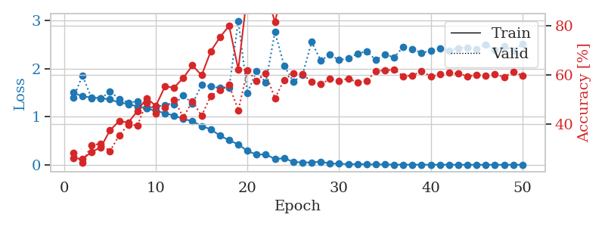
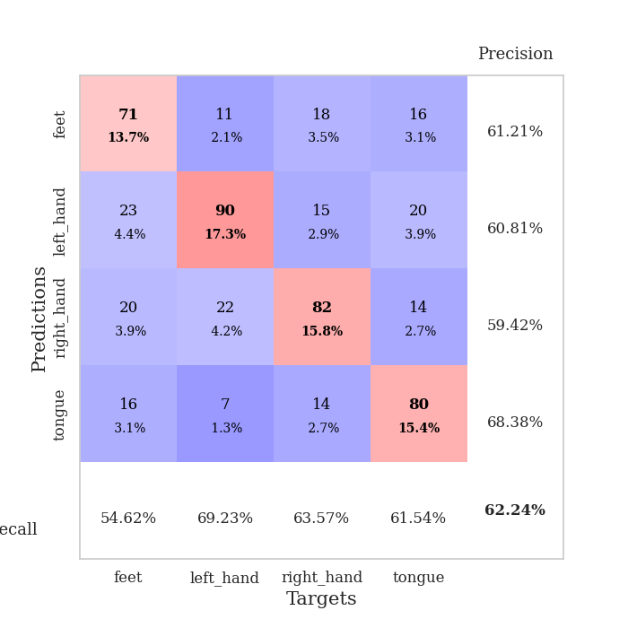
train_loss | valid_loss | train_accuracy | valid_accuracy | dur | train_misclass | valid_misclass
1.5016919397 | 1.4250331575 | 0.27700617284 | 0.31213872832 | 15.999564648 | 27.700617284 | 31.213872832
1.3998273368 | 1.3899233886 | 0.29668209877 | 0.28709055877 | 24.082662582 | 29.668209877 | 28.709055877
1.373195905 | 1.3157808119 | 0.33217592593 | 0.36030828516 | 26.132515192 | 33.217592593 | 36.030828516
1.3233431077 | 2.7332615338 | 0.28973765432 | 0.2774566474 | 27.58364749 | 28.973765432 | 27.74566474
1.2710233927 | 1.6358771715 | 0.26273148148 | 0.26589595376 | 27.19455409 | 26.273148148 | 26.589595376
1.225423875 | 1.3203084632 | 0.37191358025 | 0.36608863198 | 26.38552165 | 37.191358025 | 36.608863198
1.1739167851 | 1.1266115624 | 0.46450617284 | 0.49710982659 | 27.828146935 | 46.450617284 | 49.710982659
1.1285316234 | 1.1712010952 | 0.46797839506 | 0.53949903661 | 26.675584316 | 46.797839506 | 53.949903661
1.0758004472 | 1.1467751669 | 0.56674382716 | 0.56454720617 | 26.722621202 | 56.674382716 | 56.454720617
1.0091551671 | 1.4031179819 | 0.4475308642 | 0.41425818882 | 27.404360533 | 44.75308642 | 41.425818882
0.89966687744 | 1.1128871401 | 0.67862654321 | 0.58959537572 | 27.228476524 | 67.862654321 | 58.959537572
0.79680247108 | 1.1567941109 | 0.72337962963 | 0.56262042389 | 27.602857113 | 72.337962963 | 56.262042389
0.65766547271 | 2.0746955477 | 0.75385802469 | 0.49325626204 | 27.661128044 | 75.385802469 | 49.325626204
0.55115030835 | 2.3029186519 | 0.64429012346 | 0.46435452794 | 27.305536985 | 64.429012346 | 46.435452794
0.48267908091 | 2.1185655162 | 0.59452160494 | 0.5105973025 | 27.632090569 | 59.452160494 | 51.05973025
0.40736590197 | 1.7522753544 | 0.75154320988 | 0.50289017341 | 27.762310505 | 75.154320988 | 50.289017341
0.3499302303 | 2.1601007067 | 0.64737654321 | 0.49132947977 | 27.445962906 | 64.737654321 | 49.132947977
0.3054100949 | 2.0961217177 | 0.89429012346 | 0.51445086705 | 26.939665556 | 89.429012346 | 51.445086705
0.25840146982 | 1.9541014364 | 0.88117283951 | 0.54335260116 | 26.903620481 | 88.117283951 | 54.335260116
0.24474881486 | 1.9234763487 | 0.93634259259 | 0.54913294798 | 27.303765535 | 93.634259259 | 54.913294798
0.16139354768 | 2.2506970264 | 0.94675925926 | 0.5549132948 | 27.751836061 | 94.675925926 | 55.49132948
0.17899569622 | 2.741449838 | 0.7349537037 | 0.56262042389 | 27.379024744 | 73.49537037 | 56.262042389
0.13470086255 | 2.2888022459 | 0.96913580247 | 0.57418111753 | 27.659538031 | 96.913580247 | 57.418111753
0.11405521191 | 2.1981156982 | 0.92476851852 | 0.51252408478 | 27.830394506 | 92.476851852 | 51.252408478
0.10363014036 | 2.4192063358 | 0.9212962963 | 0.52408477842 | 27.800306082 | 92.12962963 | 52.408477842
0.082036362528 | 2.277080919 | 0.99074074074 | 0.52215799615 | 27.879881144 | 99.074074074 | 52.215799615
0.075805458959 | 2.5344196053 | 0.97299382716 | 0.51445086705 | 27.785984039 | 97.299382716 | 51.445086705
0.04976543714 | 2.256114255 | 0.99537037037 | 0.56454720617 | 27.708883047 | 99.537037037 | 56.454720617
0.036552594132 | 2.2847591067 | 0.99459876543 | 0.57032755299 | 27.787076473 | 99.459876543 | 57.032755299
0.030391429726 | 2.5854789829 | 0.99768518519 | 0.56069364162 | 27.699295759 | 99.768518519 | 56.069364162
0.023489795797 | 2.9436837451 | 0.85108024691 | 0.51637764933 | 27.364457607 | 85.108024691 | 51.637764933
0.017865967171 | 2.6850811709 | 0.99729938272 | 0.55876685934 | 27.697648525 | 99.729938272 | 55.876685934
0.01758309281 | 2.471314999 | 0.98842592593 | 0.59344894027 | 27.76297164 | 98.842592593 | 59.344894027
0.025586204663 | 2.6894372966 | 0.99845679012 | 0.56647398844 | 27.783888102 | 99.845679012 | 56.647398844
0.016912237472 | 2.7738800995 | 0.99537037037 | 0.57225433526 | 27.69399333 | 99.537037037 | 57.225433526
0.014323214925 | 2.7612140923 | 0.99961419753 | 0.55105973025 | 27.744657755 | 99.961419753 | 55.105973025
0.010724481474 | 2.8951603567 | 0.99961419753 | 0.56262042389 | 27.621692657 | 99.961419753 | 56.262042389
0.0097116707647 | 2.9543998342 | 1 | 0.54913294798 | 27.349848747 | 100 | 54.913294798
0.0029136622817 | 2.7927955708 | 1 | 0.57803468208 | 27.667515755 | 100 | 57.803468208
0.0045229147792 | 2.7213113294 | 1 | 0.57225433526 | 27.626737595 | 100 | 57.225433526
0.0030164739923 | 2.7960459194 | 1 | 0.57032755299 | 27.712144375 | 100 | 57.032755299
0.0083640737258 | 2.8531174182 | 1 | 0.56840077071 | 27.917776823 | 100 | 56.840077071
0.0031157098517 | 2.9097964667 | 1 | 0.55298651252 | 27.973650455 | 100 | 55.298651252
0.0029062168293 | 2.8983918486 | 1 | 0.56069364162 | 28.042925596 | 100 | 56.069364162
0.0037547138737 | 2.9850682395 | 1 | 0.56840077071 | 28.104749918 | 100 | 56.840077071
0.001299911613 | 2.9258877152 | 1 | 0.55876685934 | 28.207609415 | 100 | 55.876685934
0.0039551597755 | 2.9446389634 | 1 | 0.56069364162 | 28.185460806 | 100 | 56.069364162
0.0015219460343 | 2.9344271015 | 1 | 0.56262042389 | 28.16233778 | 100 | 56.262042389
0.0053018040691 | 2.9015983231 | 1 | 0.57225433526 | 28.129116774 | 100 | 57.225433526
0.0020961923446 | 2.9574115694 | 1 | 0.57225433526 | 28.176694632 | 100 | 57.225433526

Best Val accuracy is 0.5934489402697495 and Best test accuracy is 0.42739990352146645

Sheet9
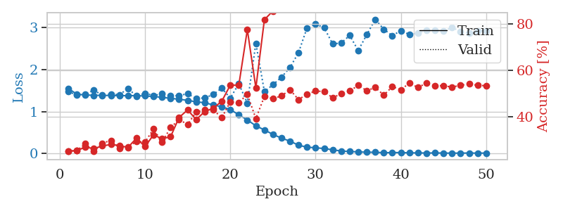
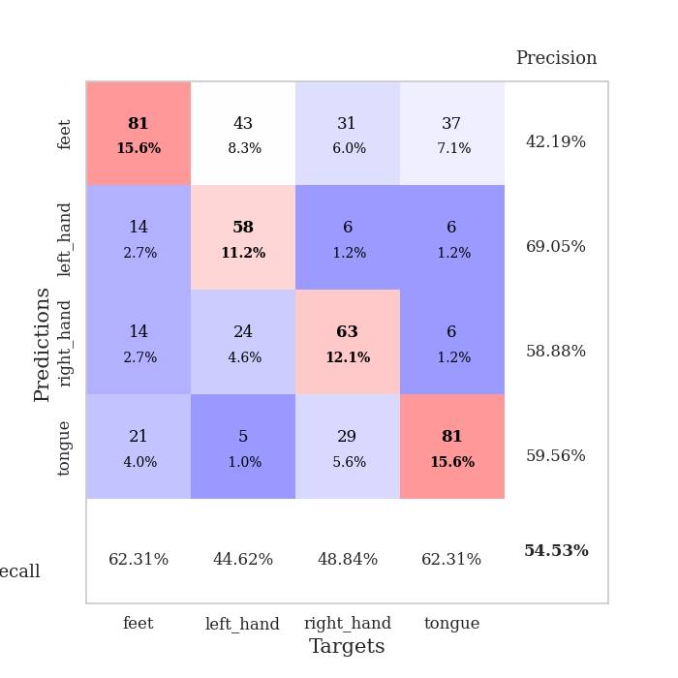
train_loss | valid_loss | train_accuracy | valid_accuracy | dur | train_misclass | valid_misclass
1.4815754339 | 1.3696364762 | 0.29706790123 | 0.33911368015 | 24.508715391 | 29.706790123 | 33.911368015
1.3934246383 | 1.8531295766 | 0.26427469136 | 0.28516377649 | 26.448547363 | 26.427469136 | 28.516377649
1.3708408961 | 1.3819426034 | 0.31134259259 | 0.34874759152 | 27.209950686 | 31.134259259 | 34.874759152
1.3432603221 | 1.2993075379 | 0.36766975309 | 0.40462427746 | 27.181798935 | 36.766975309 | 40.462427746
1.3072648232 | 1.2923112419 | 0.38464506173 | 0.38535645472 | 27.402156353 | 38.464506173 | 38.535645472
1.2480232285 | 1.1710678475 | 0.45061728395 | 0.4816955684 | 27.328264236 | 45.061728395 | 48.16955684
1.2144141223 | 1.5779710912 | 0.3074845679 | 0.36994219653 | 27.08509016 | 30.74845679 | 36.994219653
1.1647638222 | 1.1837168693 | 0.53163580247 | 0.49132947977 | 27.451038837 | 53.163580247 | 49.132947977
1.095582331 | 1.2402081108 | 0.45331790123 | 0.51252408478 | 27.344590902 | 45.331790123 | 51.252408478
1.0333865535 | 1.1842009477 | 0.59336419753 | 0.49132947977 | 27.315739632 | 59.336419753 | 49.132947977
0.93728801939 | 2.5541089642 | 0.36882716049 | 0.41040462428 | 27.289381504 | 36.882716049 | 41.040462428
0.84787388514 | 1.0789611503 | 0.69444444444 | 0.58959537572 | 27.023909807 | 69.444444444 | 58.959537572
0.70966604775 | 1.4318115927 | 0.71682098765 | 0.54527938343 | 27.330784321 | 71.682098765 | 54.527938343
0.60451495463 | 3.2024219371 | 0.47723765432 | 0.45857418112 | 27.220993519 | 47.723765432 | 45.857418112
0.5380045343 | 2.2536920803 | 0.53202160494 | 0.4816955684 | 27.303985119 | 53.202160494 | 48.16955684
0.41091338775 | 1.4746586849 | 0.77314814815 | 0.56262042389 | 27.575480223 | 77.314814815 | 56.262042389
0.36119148747 | 2.7638754025 | 0.63310185185 | 0.47013487476 | 27.308493137 | 63.310185185 | 47.013487476
0.31660510733 | 1.7851457031 | 0.87268518519 | 0.54142581888 | 26.911587 | 87.268518519 | 54.142581888
0.22404160822 | 2.1491800494 | 0.74189814815 | 0.57225433526 | 27.528537989 | 74.189814815 | 57.225433526
0.20811740914 | 1.963039775 | 0.89737654321 | 0.58766859345 | 27.641343832 | 89.737654321 | 58.766859345
0.16791519446 | 1.7344688719 | 0.90972222222 | 0.55105973025 | 27.191595316 | 90.972222222 | 55.105973025
0.081207015835 | 2.0873212107 | 0.96797839506 | 0.60115606936 | 27.333508015 | 96.797839506 | 60.115606936
0.079954036681 | 2.0484108986 | 0.89081790123 | 0.54913294798 | 27.460324287 | 89.081790123 | 54.913294798
0.04793559442 | 2.4786175547 | 0.97569444444 | 0.56840077071 | 27.590227127 | 97.569444444 | 56.840077071
0.03412407112 | 2.3403671808 | 0.99575617284 | 0.57610789981 | 27.612597227 | 99.575617284 | 57.610789981
0.030607260262 | 2.1497594989 | 0.99884259259 | 0.61078998073 | 27.423099279 | 99.884259259 | 61.078998073
0.07073643437 | 2.4497833518 | 0.99382716049 | 0.55876685934 | 27.759901762 | 99.382716049 | 55.876685934
0.063338598452 | 2.4512889435 | 0.99421296296 | 0.60115606936 | 26.95285821 | 99.421296296 | 60.115606936
0.039226633973 | 2.5526266383 | 0.9899691358 | 0.57032755299 | 23.138468266 | 98.99691358 | 57.032755299
0.025944223883 | 2.096261742 | 0.99961419753 | 0.6204238921 | 22.838219166 | 99.961419753 | 62.04238921
0.014092685487 | 2.3074298369 | 1 | 0.60886319846 | 23.130737066 | 100 | 60.886319846
0.013684690187 | 2.266646828 | 1 | 0.61464354528 | 23.070719719 | 100 | 61.464354528
0.0087415067627 | 2.0809047122 | 1 | 0.62620423892 | 23.024519682 | 100 | 62.620423892
0.0068494650752 | 2.3188618272 | 1 | 0.60693641618 | 23.145416975 | 100 | 60.693641618
0.0059469604271 | 2.2411992399 | 1 | 0.62427745665 | 23.170093775 | 100 | 62.427745665
0.0026755116817 | 2.2998064477 | 1 | 0.61849710983 | 22.916384459 | 100 | 61.849710983
0.0027224237473 | 2.325812665 | 1 | 0.60693641618 | 22.77713418 | 100 | 60.693641618
0.0045565942561 | 2.3290182498 | 1 | 0.62427745665 | 23.089838743 | 100 | 62.427745665
0.0029156170957 | 2.3724438295 | 1 | 0.63198458574 | 23.038045645 | 100 | 63.198458574
0.0023818351075 | 2.3119106116 | 0.99961419753 | 0.60886319846 | 23.136956453 | 99.961419753 | 60.886319846
0.001683478006 | 2.344531215 | 1 | 0.62235067437 | 23.038660526 | 100 | 62.235067437
0.0021118908224 | 2.3363351174 | 1 | 0.62813102119 | 22.805273533 | 100 | 62.813102119
0.001710236964 | 2.4221249146 | 1 | 0.6204238921 | 23.131797791 | 100 | 62.04238921
0.0017824134875 | 2.4195046285 | 1 | 0.62235067437 | 23.043736219 | 100 | 62.235067437
0.0018941796511 | 2.4307985754 | 1 | 0.62813102119 | 23.058979273 | 100 | 62.813102119
0.0009959629056 | 2.4182736221 | 1 | 0.62813102119 | 23.029436111 | 100 | 62.813102119
0.0011016395216 | 2.4388179522 | 1 | 0.6204238921 | 23.112339973 | 100 | 62.04238921
0.003005840498 | 2.3671666841 | 1 | 0.62813102119 | 23.103168964 | 100 | 62.813102119
0.0011218722769 | 2.3806770486 | 1 | 0.62813102119 | 23.087383986 | 100 | 62.813102119
0.0013528201249 | 2.4030865927 | 1 | 0.62620423892 | 18.135372639 | 100 | 62.620423892

Best Val accuracy is 0.6319845857418112 and Best test accuracy is 0.42739990352146645

Sheet10
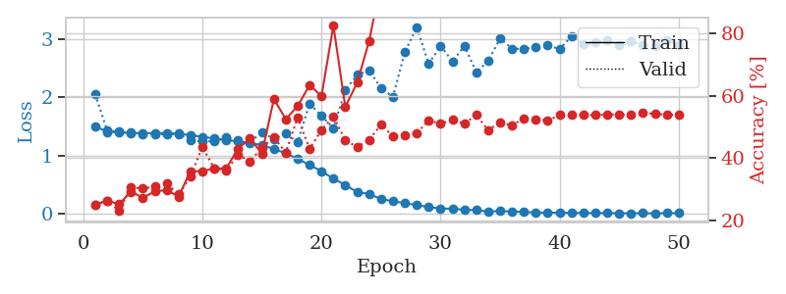
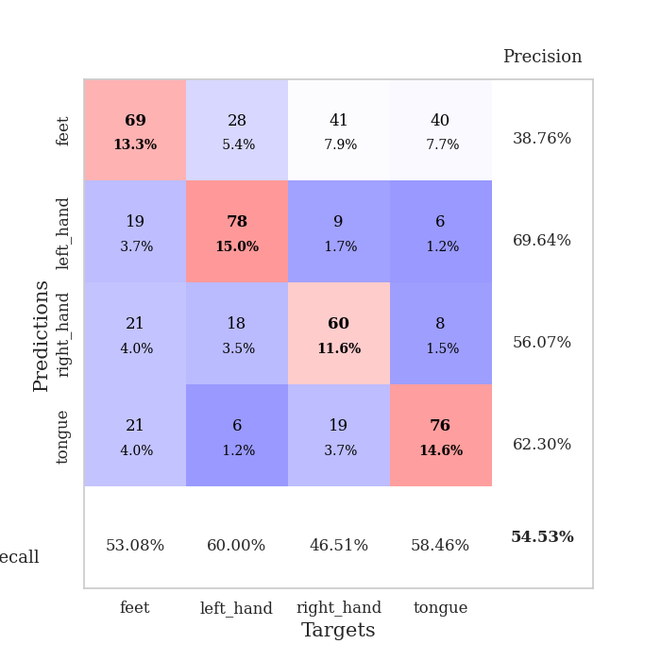
train_loss | valid_loss | train_accuracy | valid_accuracy | dur | train_misclass | valid_misclass
1.5391475154 | 1.3617630887 | 0.28780864198 | 0.3140655106 | 13.095191717 | 28.780864198 | 31.40655106
1.3926563999 | 1.3952462836 | 0.27237654321 | 0.27360308285 | 15.007565022 | 27.237654321 | 27.360308285
1.366414934 | 1.5183177918 | 0.26041666667 | 0.2697495183 | 15.038231373 | 26.041666667 | 26.97495183
1.3593784659 | 1.3863122603 | 0.33063271605 | 0.34489402697 | 15.850168943 | 33.063271605 | 34.489402697
1.3018775398 | 1.2858988439 | 0.38464506173 | 0.33718689788 | 15.051614761 | 38.464506173 | 33.718689788
1.2690295842 | 1.2875758777 | 0.40586419753 | 0.38921001927 | 15.940410852 | 40.586419753 | 38.921001927
1.2484234152 | 1.2488916903 | 0.38040123457 | 0.36994219653 | 15.15317893 | 38.040123457 | 36.994219653
1.2138049996 | 1.3357703697 | 0.43055555556 | 0.41233140655 | 15.16356945 | 43.055555556 | 41.233140655
1.1671528868 | 1.4591696471 | 0.47955246914 | 0.45086705202 | 15.997962475 | 47.955246914 | 45.086705202
1.0927939286 | 1.0596771978 | 0.55054012346 | 0.53949903661 | 15.219294071 | 55.054012346 | 53.949903661
1.0189371547 | 1.1864879327 | 0.61342592593 | 0.52408477842 | 15.157767773 | 61.342592593 | 52.408477842
0.92511729326 | 1.2916439089 | 0.52199074074 | 0.53564547206 | 16.008331537 | 52.199074074 | 53.564547206
0.83312454194 | 1.3605595182 | 0.70563271605 | 0.53949903661 | 16.017070293 | 70.563271605 | 53.949903661
0.72875086706 | 1.3018908859 | 0.73611111111 | 0.49518304432 | 16.018718243 | 73.611111111 | 49.518304432
0.58499350077 | 1.6191336406 | 0.71450617284 | 0.56262042389 | 15.972874641 | 71.450617284 | 56.262042389
0.51541986372 | 1.4603249248 | 0.84104938272 | 0.4816955684 | 15.980849981 | 84.104938272 | 48.16955684
0.39892407153 | 2.6312652264 | 0.72762345679 | 0.47398843931 | 15.249393702 | 72.762345679 | 47.398843931
0.35587320615 | 2.0880959875 | 0.77816358025 | 0.5472061657 | 16.017319202 | 77.816358025 | 54.72061657
0.31641346007 | 2.0232633033 | 0.89853395062 | 0.52023121387 | 15.253752947 | 89.853395062 | 52.023121387
0.2506514417 | 2.7283153957 | 0.8175154321 | 0.46050096339 | 15.975141048 | 81.75154321 | 46.050096339
0.18087553387 | 3.4491211091 | 0.78703703704 | 0.45472061657 | 15.972977161 | 78.703703704 | 45.472061657
0.14929465994 | 2.8519790297 | 0.86072530864 | 0.49710982659 | 15.082362652 | 86.072530864 | 49.710982659
0.14163326857 | 2.1700193073 | 0.9324845679 | 0.52986512524 | 16.019325256 | 93.24845679 | 52.986512524
0.1253714839 | 2.4604733137 | 0.88078703704 | 0.57996146435 | 16.018436193 | 88.078703704 | 57.996146435
0.10870808809 | 2.3682446985 | 0.93672839506 | 0.53179190751 | 15.994785309 | 93.672839506 | 53.179190751
0.081723456275 | 2.2760108928 | 0.99189814815 | 0.56840077071 | 16.018427134 | 99.189814815 | 56.840077071
0.062672164074 | 2.6573666447 | 0.99459876543 | 0.56454720617 | 15.979604483 | 99.459876543 | 56.454720617
0.039808371234 | 3.6519274969 | 0.96026234568 | 0.47206165703 | 16.02363658 | 96.026234568 | 47.206165703
0.039193658179 | 2.3060504228 | 0.99807098765 | 0.59922928709 | 16.018466711 | 99.807098765 | 59.922928709
0.026513124919 | 2.5187099251 | 0.98263888889 | 0.55684007707 | 15.978533745 | 98.263888889 | 55.684007707
0.015812942259 | 5.5271846104 | 0.87114197531 | 0.49132947977 | 16.023383141 | 87.114197531 | 49.132947977
0.041050040594 | 3.0624271156 | 0.98070987654 | 0.54913294798 | 16.018323183 | 98.070987654 | 54.913294798
0.017569673235 | 2.520650634 | 1 | 0.57610789981 | 16.015372038 | 100 | 57.610789981
0.01051845894 | 2.6073333487 | 1 | 0.56840077071 | 15.208938599 | 100 | 56.840077071
0.022335841476 | 2.5542870036 | 0.99961419753 | 0.55684007707 | 16.022232533 | 99.961419753 | 55.684007707
0.0095063790692 | 2.7980446402 | 1 | 0.55876685934 | 16.020550013 | 100 | 55.876685934
0.0037286311562 | 2.6441994485 | 1 | 0.59344894027 | 16.017164946 | 100 | 59.344894027
0.0040873663344 | 2.8423362899 | 1 | 0.58766859345 | 16.022735834 | 100 | 58.766859345
0.0050643948887 | 2.996356129 | 1 | 0.56069364162 | 16.019484997 | 100 | 56.069364162
0.0059973957211 | 2.7997256841 | 1 | 0.57225433526 | 16.028424501 | 100 | 57.225433526
0.0061349883449 | 2.7033950883 | 1 | 0.59922928709 | 16.01819849 | 100 | 59.922928709
0.0021869505369 | 2.769495207 | 1 | 0.59344894027 | 16.026948214 | 100 | 59.344894027
0.0024587249769 | 2.7818396408 | 1 | 0.58959537572 | 16.029300928 | 100 | 58.959537572
0.0034996028872 | 2.8384554253 | 1 | 0.5838150289 | 15.998409033 | 100 | 58.38150289
0.0014443396728 | 2.8339206433 | 1 | 0.58574181118 | 15.270507812 | 100 | 58.574181118
0.0035369696617 | 2.849437641 | 1 | 0.59344894027 | 16.027779579 | 100 | 59.344894027
0.0028969617339 | 2.8459763132 | 1 | 0.58574181118 | 16.030507326 | 100 | 58.574181118
0.002173103221 | 2.8793390298 | 1 | 0.58959537572 | 15.148537159 | 100 | 58.959537572
0.0017481499122 | 2.8784836538 | 1 | 0.5838150289 | 16.023066044 | 100 | 58.38150289
0.0014217310463 | 2.8047335731 | 1 | 0.58188824663 | 16.025216818 | 100 | 58.188824663

Best Val accuracy is 0.5992292870905588 and Best test accuracy is 0.4249879401833092

