Sheet
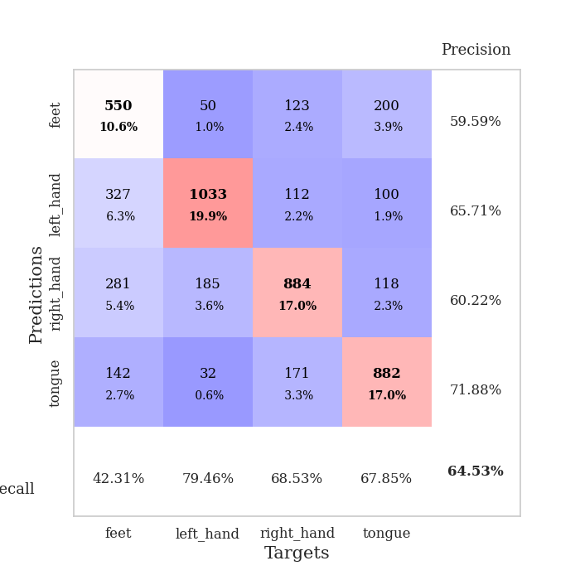
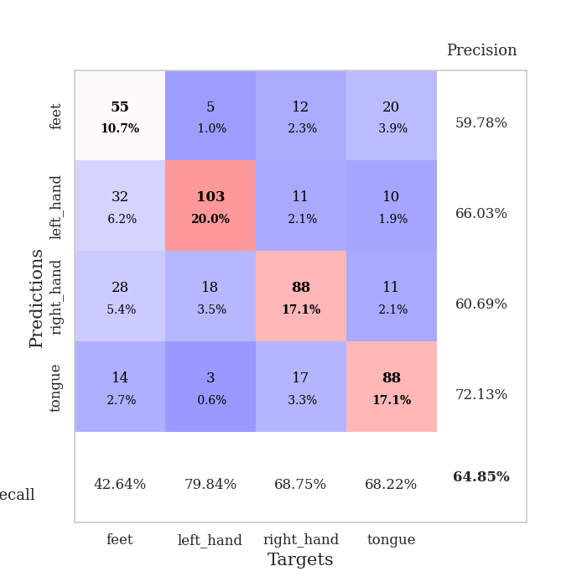
best_val_acc | best_val_los | best_test_acc
0.63391136802 | 0.90981981015 | 0.53159671973
0.61657032755 | 0.92189369473 | 0.46309696093
0.64354527938 | 0.90873082732 | 0.49879401833
0.64161849711 | 0.87900540112 | 0.5171249397
0.64161849711 | 0.88081130196 | 0.48721659431
0.62813102119 | 0.874858474 | 0.49589966233
0.69749518304 | 0.81888073258 | 0.52773757839
0.6570327553 | 0.88544591589 | 0.52821997106
0.67244701349 | 0.83631363034 | 0.53883260974
0.6204238921 | 0.92624589221 | 0.54124457308

Mean,std Val accuracy is 0.6452793834296725 , 0.024715776196919854 and mean, std test accuracy is 0.512976362759286 , 0.025660388143909127

Sheet1
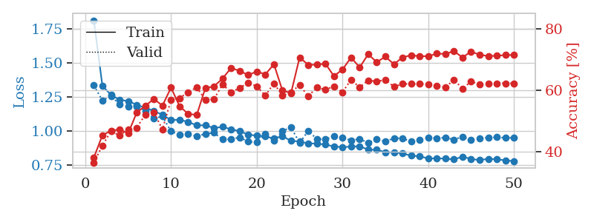
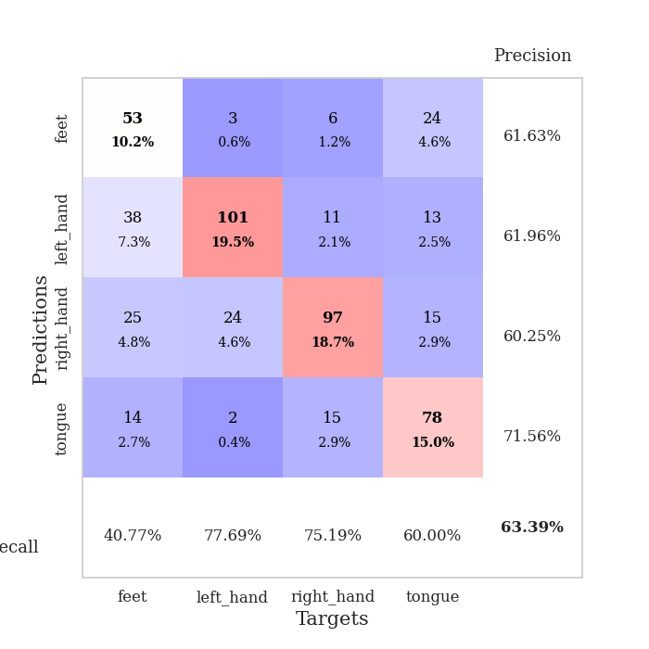
train_loss | valid_loss | train_accuracy | valid_accuracy | dur | train_misclass | valid_misclass
1.8100779866 | 1.3326137826 | 0.38040123457 | 0.36416184971 | 2.06752491 | 38.040123457 | 36.416184971
1.3276798438 | 1.2214009498 | 0.4537037037 | 0.42003853565 | 0.54523348808 | 45.37037037 | 42.003853565
1.2633945287 | 1.2546948783 | 0.46759259259 | 0.46628131021 | 0.54392027855 | 46.759259259 | 46.628131021
1.2263469358 | 1.1928768415 | 0.47260802469 | 0.4527938343 | 0.54327821732 | 47.260802469 | 45.27938343
1.2178695838 | 1.1794171804 | 0.45910493827 | 0.47206165703 | 0.55064058304 | 45.910493827 | 47.206165703
1.1901207449 | 1.1783640936 | 0.52700617284 | 0.47784200385 | 0.55088090897 | 52.700617284 | 47.784200385
1.1683743949 | 1.1456443234 | 0.54899691358 | 0.52023121387 | 0.54325461388 | 54.899691358 | 52.023121387
1.1450841147 | 1.0905720078 | 0.57137345679 | 0.52793834297 | 0.54311704636 | 57.137345679 | 52.793834297
1.1162964746 | 1.1053393438 | 0.54938271605 | 0.47206165703 | 0.54193925858 | 54.938271605 | 47.206165703
1.0785230074 | 0.99522303065 | 0.60841049383 | 0.56840077071 | 0.54082560539 | 60.841049383 | 56.840077071
1.0805879268 | 0.97174420591 | 0.5474537037 | 0.57418111753 | 0.53712201118 | 54.74537037 | 57.418111753
1.0643597201 | 0.9780166682 | 0.52276234568 | 0.59344894027 | 0.53573083878 | 52.276234568 | 59.344894027
1.0392255783 | 0.95828939449 | 0.51929012346 | 0.60886319846 | 0.53691267967 | 51.929012346 | 60.886319846
1.0396714328 | 0.97662595127 | 0.60648148148 | 0.56840077071 | 0.53777885437 | 60.648148148 | 56.840077071
1.0198821359 | 0.98521165398 | 0.61226851852 | 0.57032755299 | 0.53675127029 | 61.226851852 | 57.032755299
1.0279353508 | 0.93656036275 | 0.63734567901 | 0.61849710983 | 0.53675699234 | 63.734567901 | 61.849710983
1.010828977 | 0.93787323579 | 0.67206790123 | 0.59344894027 | 0.54282069206 | 67.206790123 | 59.344894027
0.99637512918 | 0.95091862532 | 0.66280864198 | 0.60693641618 | 0.54256463051 | 66.280864198 | 60.693641618
0.97215131514 | 0.91956517921 | 0.64891975309 | 0.62427745665 | 0.55998945236 | 64.891975309 | 62.427745665
0.96291517843 | 0.91692086612 | 0.66087962963 | 0.61271676301 | 0.54215335846 | 66.087962963 | 61.271676301
0.96028341702 | 0.97743268096 | 0.6512345679 | 0.58188824663 | 0.54235363007 | 65.12345679 | 58.188824663
0.94089466149 | 0.92678362051 | 0.68441358025 | 0.62235067437 | 0.54524850845 | 68.441358025 | 62.235067437
0.96061566546 | 0.99830764153 | 0.59837962963 | 0.58188824663 | 0.54314517975 | 59.837962963 | 58.188824663
0.92471004489 | 1.0244885699 | 0.59104938272 | 0.59344894027 | 0.54335045815 | 59.104938272 | 59.344894027
0.92130465033 | 0.9103307345 | 0.70640432099 | 0.61657032755 | 0.54230856895 | 70.640432099 | 61.657032755
0.90586181114 | 0.99824017918 | 0.6824845679 | 0.57996146435 | 0.54181838036 | 68.24845679 | 57.996146435
0.90630227603 | 0.94019259148 | 0.68287037037 | 0.60886319846 | 0.54282999039 | 68.287037037 | 60.886319846
0.89772028761 | 0.93688482012 | 0.68634259259 | 0.60115606936 | 0.54085469246 | 68.634259259 | 60.115606936
0.88488281859 | 0.96007282128 | 0.64583333333 | 0.61271676301 | 0.54690766335 | 64.583333333 | 61.271676301
0.87876145891 | 0.95041592319 | 0.66705246914 | 0.59344894027 | 0.55006885529 | 66.705246914 | 59.344894027
0.8838589449 | 0.92851535778 | 0.70640432099 | 0.63391136802 | 0.54209566116 | 70.640432099 | 63.391136802
0.88548320072 | 0.94027780223 | 0.67399691358 | 0.60886319846 | 0.54625201225 | 67.399691358 | 60.886319846
0.86126674233 | 0.90981981015 | 0.71682098765 | 0.63198458574 | 0.54887223244 | 71.682098765 | 63.198458574
0.85994664184 | 0.93941296571 | 0.69097222222 | 0.62813102119 | 0.54319620132 | 69.097222222 | 62.813102119
0.84268739176 | 0.9204797793 | 0.70910493827 | 0.63391136802 | 0.54241156578 | 70.910493827 | 63.391136802
0.84168253508 | 0.94541033408 | 0.68441358025 | 0.61078998073 | 0.54388141632 | 68.441358025 | 61.078998073
0.83365109526 | 0.94353916627 | 0.70640432099 | 0.6204238921 | 0.54332566261 | 70.640432099 | 62.04238921
0.81648499362 | 0.92066472068 | 0.7137345679 | 0.6204238921 | 0.54412221909 | 71.37345679 | 62.04238921
0.81254668442 | 0.93088788403 | 0.71026234568 | 0.6204238921 | 0.54307413101 | 71.026234568 | 62.04238921
0.79611531617 | 0.95171869674 | 0.71064814815 | 0.61849710983 | 0.54328370094 | 71.064814815 | 61.849710983
0.79758057421 | 0.94490423253 | 0.71875 | 0.61464354528 | 0.54611372948 | 71.875 | 61.464354528
0.79465279002 | 0.94979241289 | 0.71797839506 | 0.60886319846 | 0.54342651367 | 71.797839506 | 60.886319846
0.78935471361 | 0.9349485266 | 0.72685185185 | 0.63391136802 | 0.54700398445 | 72.685185185 | 63.391136802
0.80925199389 | 0.95534643594 | 0.70640432099 | 0.60500963391 | 0.54752039909 | 70.640432099 | 60.500963391
0.79236920822 | 0.93200043791 | 0.72569444444 | 0.62813102119 | 0.54820513725 | 72.569444444 | 62.813102119
0.78442786266 | 0.94520171621 | 0.71489197531 | 0.61849710983 | 0.545576334 | 71.489197531 | 61.849710983
0.79329776948 | 0.94937166566 | 0.71103395062 | 0.6204238921 | 0.54828619957 | 71.103395062 | 62.04238921
0.78974450518 | 0.95207493245 | 0.71180555556 | 0.62235067437 | 0.54882407188 | 71.180555556 | 62.235067437
0.78229091326 | 0.94771694632 | 0.71412037037 | 0.62235067437 | 0.55100846291 | 71.412037037 | 62.235067437
0.77659816985 | 0.94740735933 | 0.71450617284 | 0.62235067437 | 0.54864120483 | 71.450617284 | 62.235067437

Best Val accuracy is 0.6339113680154143 and Best test accuracy is 0.5315967197298601

Sheet2
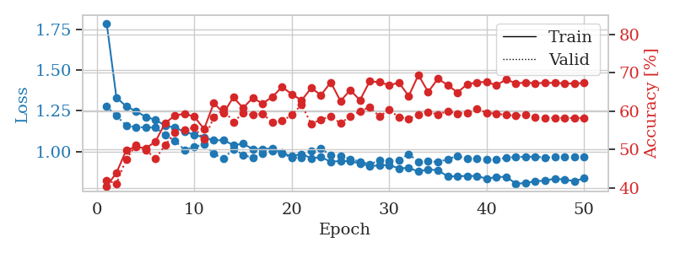
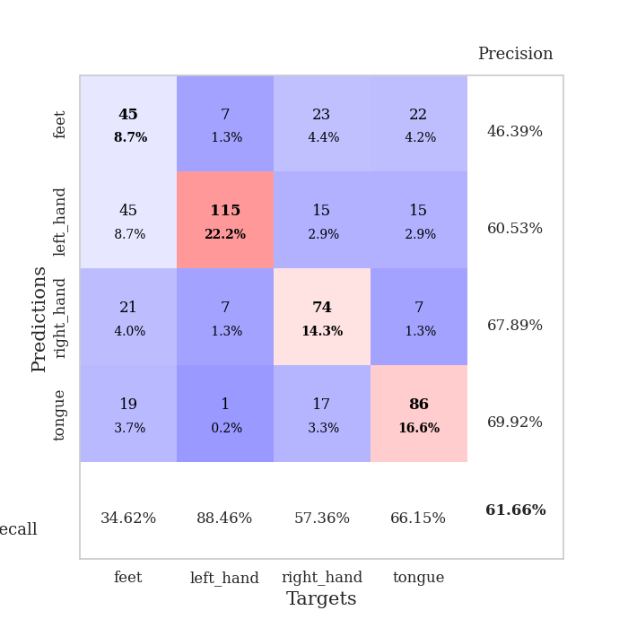
train_loss | valid_loss | train_accuracy | valid_accuracy | dur | train_misclass | valid_misclass
1.7887882347 | 1.2775069951 | 0.40432098765 | 0.42003853565 | 0.55690646172 | 40.432098765 | 42.003853565
1.3324649172 | 1.218995445 | 0.43865740741 | 0.41040462428 | 0.54997372627 | 43.865740741 | 41.040462428
1.2779012757 | 1.1608273448 | 0.49729938272 | 0.47398843931 | 0.55469989777 | 49.729938272 | 47.398843931
1.2485884307 | 1.1493698827 | 0.50733024691 | 0.5105973025 | 0.55176305771 | 50.733024691 | 51.05973025
1.2132793926 | 1.1485519997 | 0.50270061728 | 0.49903660886 | 0.54909014702 | 50.270061728 | 49.903660886
1.1956208131 | 1.1473339203 | 0.5200617284 | 0.47591522158 | 0.54940485954 | 52.00617284 | 47.591522158
1.1586970198 | 1.1017938597 | 0.56867283951 | 0.5105973025 | 0.54989862442 | 56.867283951 | 51.05973025
1.147481833 | 1.0659143573 | 0.58796296296 | 0.54335260116 | 0.54976224899 | 58.796296296 | 54.335260116
1.1211809862 | 1.0104800821 | 0.59336419753 | 0.55105973025 | 0.54974389076 | 59.336419753 | 55.105973025
1.103411999 | 1.0289437792 | 0.58526234568 | 0.55684007707 | 0.55012702942 | 58.526234568 | 55.684007707
1.0856848311 | 1.0433952857 | 0.55324074074 | 0.52601156069 | 0.55004835129 | 55.324074074 | 52.601156069
1.068874904 | 0.98700789794 | 0.62075617284 | 0.5838150289 | 0.54980540276 | 62.075617284 | 58.38150289
1.0698224619 | 0.95494191977 | 0.59490740741 | 0.60500963391 | 0.55311965942 | 59.490740741 | 60.500963391
1.0392095126 | 1.0161645035 | 0.63580246914 | 0.57032755299 | 0.55274701118 | 63.580246914 | 57.032755299
1.047986546 | 0.97988090327 | 0.60841049383 | 0.59537572254 | 0.55400204659 | 60.841049383 | 59.537572254
1.0152341804 | 0.95984292467 | 0.63425925926 | 0.58959537572 | 0.55157804489 | 63.425925926 | 58.959537572
1.014595712 | 0.98829922212 | 0.61959876543 | 0.59344894027 | 0.55231285095 | 61.959876543 | 59.344894027
1.0201813582 | 1.0027525648 | 0.63695987654 | 0.57032755299 | 0.54416751862 | 63.695987654 | 57.032755299
0.99143661651 | 0.9886153856 | 0.66280864198 | 0.57418111753 | 0.54566025734 | 66.280864198 | 57.418111753
0.97026808192 | 0.96118675927 | 0.64429012346 | 0.58959537572 | 0.54436945915 | 64.429012346 | 58.959537572
0.98512081636 | 0.96443486478 | 0.62770061728 | 0.61657032755 | 0.53935551643 | 62.770061728 | 61.657032755
0.95873580082 | 1.0051614294 | 0.66010802469 | 0.56647398844 | 0.53920817375 | 66.010802469 | 56.647398844
0.96528509811 | 1.0188262424 | 0.64158950617 | 0.57803468208 | 0.539052248 | 64.158950617 | 57.803468208
0.93720818099 | 0.97610342066 | 0.67515432099 | 0.58574181118 | 0.54056978226 | 67.515432099 | 58.574181118
0.94170166313 | 0.97297009866 | 0.62615740741 | 0.56840077071 | 0.53807353973 | 62.615740741 | 56.840077071
0.94018656898 | 0.95402849823 | 0.65470679012 | 0.58574181118 | 0.56926369667 | 65.470679012 | 58.574181118
0.92677857754 | 0.93832929194 | 0.62847222222 | 0.59922928709 | 0.54973888397 | 62.847222222 | 59.922928709
0.9101138825 | 0.92189369473 | 0.6774691358 | 0.61078998073 | 0.55036997795 | 67.74691358 | 61.078998073
0.91475312467 | 0.94498038797 | 0.67554012346 | 0.58574181118 | 0.54785680771 | 67.554012346 | 58.574181118
0.91707719899 | 0.93974221281 | 0.6674382716 | 0.60308285164 | 0.5424387455 | 66.74382716 | 60.308285164
0.89637430012 | 0.94798188586 | 0.67399691358 | 0.5838150289 | 0.54095602036 | 67.399691358 | 58.38150289
0.89944116072 | 0.98381943762 | 0.63927469136 | 0.57996146435 | 0.54086208344 | 63.927469136 | 57.996146435
0.87726826432 | 0.93710610357 | 0.69405864198 | 0.591522158 | 0.54100656509 | 69.405864198 | 59.1522158
0.88995804003 | 0.94303464177 | 0.64969135802 | 0.59730250482 | 0.54071164131 | 64.969135802 | 59.730250482
0.88485380786 | 0.93476498724 | 0.68441358025 | 0.591522158 | 0.5460395813 | 68.441358025 | 59.1522158
0.84726370981 | 0.95303445675 | 0.66782407407 | 0.59922928709 | 0.54778623581 | 66.782407407 | 59.922928709
0.84758069835 | 0.97269496224 | 0.64853395062 | 0.59344894027 | 0.54775619507 | 64.853395062 | 59.344894027
0.85035841443 | 0.95453710133 | 0.66975308642 | 0.59537572254 | 0.54301285744 | 66.975308642 | 59.537572254
0.84954640987 | 0.9555632866 | 0.67476851852 | 0.60693641618 | 0.55275321007 | 67.476851852 | 60.693641618
0.8330759029 | 0.95040318525 | 0.6763117284 | 0.59537572254 | 0.55039453506 | 67.63117284 | 59.537572254
0.84325231649 | 0.95141840004 | 0.66705246914 | 0.59344894027 | 0.55058193207 | 66.705246914 | 59.344894027
0.84494381499 | 0.9623079927 | 0.6824845679 | 0.58959537572 | 0.55103302002 | 68.24845679 | 58.959537572
0.80257046499 | 0.96747788276 | 0.6724537037 | 0.58766859345 | 0.55019688606 | 67.24537037 | 58.766859345
0.80560932906 | 0.96742527678 | 0.67399691358 | 0.58959537572 | 0.55428743362 | 67.399691358 | 58.959537572
0.81837995792 | 0.96813599177 | 0.67283950617 | 0.5838150289 | 0.55017137527 | 67.283950617 | 58.38150289
0.82045427149 | 0.96280556906 | 0.67322530864 | 0.58188824663 | 0.55098319054 | 67.322530864 | 58.188824663
0.8337893635 | 0.96502414581 | 0.67361111111 | 0.58188824663 | 0.5505771637 | 67.361111111 | 58.188824663
0.82718121527 | 0.96694904876 | 0.67206790123 | 0.58188824663 | 0.55070209503 | 67.206790123 | 58.188824663
0.81800534917 | 0.96809767873 | 0.67168209877 | 0.58188824663 | 0.5516204834 | 67.168209877 | 58.188824663
0.83522966063 | 0.96804741283 | 0.67322530864 | 0.58188824663 | 0.55135512352 | 67.322530864 | 58.188824663

Best Val accuracy is 0.6165703275529865 and Best test accuracy is 0.4630969609261939

Sheet3
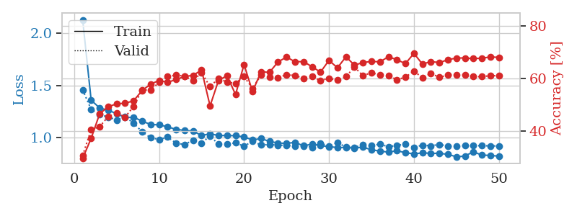
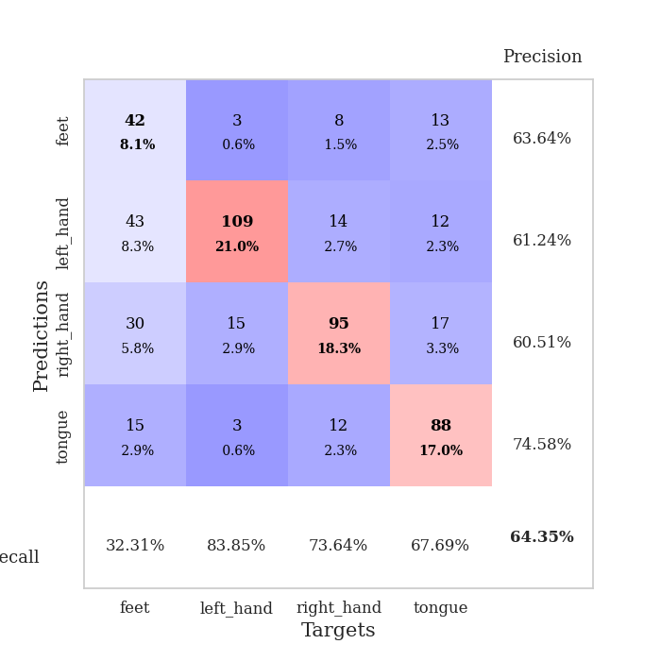
train_loss | valid_loss | train_accuracy | valid_accuracy | dur | train_misclass | valid_misclass
2.1272028736 | 1.458147964 | 0.29513888889 | 0.3063583815 | 0.55350804329 | 29.513888889 | 30.63583815
1.3594232371 | 1.2713504396 | 0.37152777778 | 0.40462427746 | 0.55251789093 | 37.152777778 | 40.462427746
1.285562076 | 1.2228713984 | 0.46527777778 | 0.4161849711 | 0.54877138138 | 46.527777778 | 41.61849711
1.2628722669 | 1.1988304249 | 0.49228395062 | 0.45472061657 | 0.5451593399 | 49.228395062 | 45.472061657
1.2316457467 | 1.1711891513 | 0.50308641975 | 0.46820809249 | 0.55292534828 | 50.308641975 | 46.820809249
1.1933496079 | 1.2015133866 | 0.50540123457 | 0.4527938343 | 0.55094981194 | 50.540123457 | 45.27938343
1.1964423829 | 1.1396095684 | 0.5150462963 | 0.49325626204 | 0.55060839653 | 51.50462963 | 49.325626204
1.1601647547 | 1.0582530292 | 0.55401234568 | 0.55684007707 | 0.55451631546 | 55.401234568 | 55.684007707
1.1271618377 | 1.0008063222 | 0.57831790123 | 0.5549132948 | 0.55240631104 | 57.831790123 | 55.49132948
1.1244058068 | 0.98465950273 | 0.59259259259 | 0.58574181118 | 0.54272556305 | 59.259259259 | 58.574181118
1.1052431449 | 1.0066436339 | 0.58526234568 | 0.60693641618 | 0.54637765884 | 58.526234568 | 60.693641618
1.0805598935 | 0.95002518522 | 0.59606481481 | 0.61271676301 | 0.54178977013 | 59.606481481 | 61.271676301
1.0711094064 | 0.93550620878 | 0.60763888889 | 0.60886319846 | 0.54126405716 | 60.763888889 | 60.886319846
1.0637751682 | 0.9781470177 | 0.61188271605 | 0.591522158 | 0.54033088684 | 61.188271605 | 59.1522158
1.0228642211 | 0.95074077264 | 0.63233024691 | 0.62235067437 | 0.55083870888 | 63.233024691 | 62.235067437
1.0380121168 | 1.0183320202 | 0.49537037037 | 0.56840077071 | 0.54162979126 | 49.537037037 | 56.840077071
1.0227453389 | 0.93823211616 | 0.59297839506 | 0.60115606936 | 0.54731273651 | 59.297839506 | 60.115606936
1.0218925436 | 0.93874108734 | 0.61072530864 | 0.58574181118 | 0.54820871353 | 61.072530864 | 58.574181118
1.0206276322 | 0.95223014364 | 0.53858024691 | 0.58188824663 | 0.54808735847 | 53.858024691 | 58.188824663
1.0088845609 | 0.91977486847 | 0.65316358025 | 0.60693641618 | 0.54904413223 | 65.316358025 | 60.693641618
0.98007007366 | 0.96819033306 | 0.55015432099 | 0.56262042389 | 0.54882764816 | 55.015432099 | 56.262042389
0.99301614456 | 0.93086263624 | 0.62538580247 | 0.61271676301 | 0.54916453362 | 62.538580247 | 61.271676301
0.9659684466 | 0.93717706089 | 0.62345679012 | 0.60500963391 | 0.54870176315 | 62.345679012 | 60.500963391
0.95042085684 | 0.92911311657 | 0.66319444444 | 0.60308285164 | 0.54798817635 | 66.319444444 | 60.308285164
0.94697097238 | 0.92810593749 | 0.68171296296 | 0.61464354528 | 0.54857063293 | 68.171296296 | 61.464354528
0.95695455906 | 0.92172681367 | 0.66396604938 | 0.61078998073 | 0.55052256584 | 66.396604938 | 61.078998073
0.92325882043 | 0.9294936255 | 0.66435185185 | 0.60115606936 | 0.54724168777 | 66.435185185 | 60.115606936
0.94042785282 | 0.90971471211 | 0.6450617284 | 0.60886319846 | 0.55154204369 | 64.50617284 | 60.886319846
0.92627043047 | 0.94989917618 | 0.62422839506 | 0.591522158 | 0.55150341988 | 62.422839506 | 59.1522158
0.91644416382 | 0.91972344115 | 0.66898148148 | 0.60115606936 | 0.54749631882 | 66.898148148 | 60.115606936
0.90680331617 | 0.9546276556 | 0.64081790123 | 0.59344894027 | 0.54731678963 | 64.081790123 | 59.344894027
0.90919751702 | 0.91146934032 | 0.68287037037 | 0.60693641618 | 0.54730844498 | 68.287037037 | 60.693641618
0.90104234605 | 0.90994811977 | 0.65084876543 | 0.64354527938 | 0.54823374748 | 65.084876543 | 64.354527938
0.91165447548 | 0.93257188223 | 0.66087962963 | 0.61078998073 | 0.54882717133 | 66.087962963 | 61.078998073
0.88535416991 | 0.92464336058 | 0.66512345679 | 0.62235067437 | 0.54747009277 | 66.512345679 | 62.235067437
0.87349484548 | 0.94032148888 | 0.66358024691 | 0.61271676301 | 0.55218076706 | 66.358024691 | 61.271676301
0.86368736625 | 0.91421456075 | 0.68287037037 | 0.61078998073 | 0.55082941055 | 68.287037037 | 61.078998073
0.87630943218 | 0.92893972723 | 0.67168209877 | 0.59537572254 | 0.55663108826 | 67.168209877 | 59.537572254
0.85871073824 | 0.93798899007 | 0.65663580247 | 0.60500963391 | 0.55425047874 | 65.663580247 | 60.500963391
0.84639689621 | 0.90873082732 | 0.69560185185 | 0.62813102119 | 0.55265474319 | 69.560185185 | 62.813102119
0.85669236235 | 0.93080955388 | 0.65509259259 | 0.60308285164 | 0.55344843864 | 65.509259259 | 60.308285164
0.85193052318 | 0.9233417403 | 0.66435185185 | 0.61849710983 | 0.55179286003 | 66.435185185 | 61.849710983
0.85217296672 | 0.93759356804 | 0.66087962963 | 0.60500963391 | 0.55466127396 | 66.087962963 | 60.500963391
0.84235819604 | 0.92101661938 | 0.6712962963 | 0.61271676301 | 0.55178523064 | 67.12962963 | 61.271676301
0.81916001347 | 0.92193757339 | 0.67824074074 | 0.61271676301 | 0.55226182938 | 67.824074074 | 61.271676301
0.82556504269 | 0.92500375874 | 0.67824074074 | 0.61271676301 | 0.5518155098 | 67.824074074 | 61.271676301
0.86756607982 | 0.92512294943 | 0.67592592593 | 0.60693641618 | 0.55993008614 | 67.592592593 | 60.693641618
0.83460993586 | 0.92512371476 | 0.6774691358 | 0.60693641618 | 0.55312395096 | 67.74691358 | 60.693641618
0.83243541806 | 0.92286107375 | 0.68209876543 | 0.61078998073 | 0.55401158333 | 68.209876543 | 61.078998073
0.82482751634 | 0.92298101896 | 0.68055555556 | 0.61078998073 | 0.55258464813 | 68.055555556 | 61.078998073

Best Val accuracy is 0.6435452793834296 and Best test accuracy is 0.49879401833092135

Sheet4
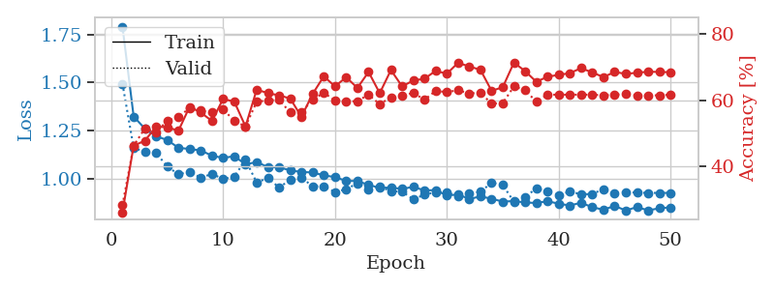
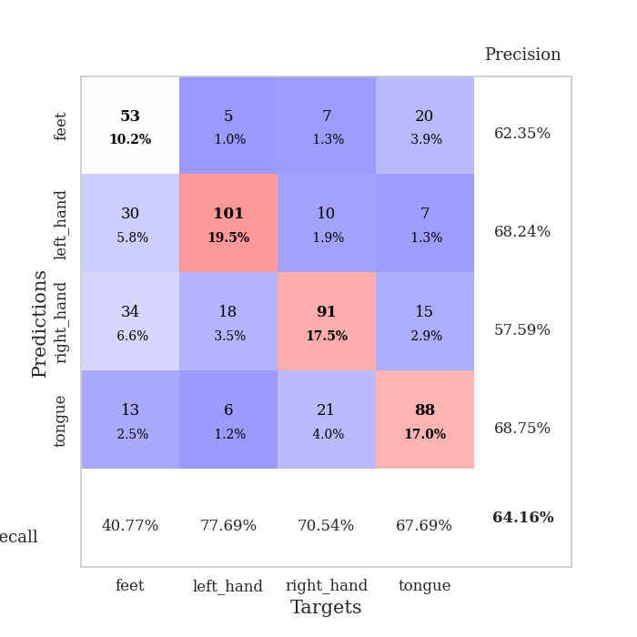
train_loss | valid_loss | train_accuracy | valid_accuracy | dur | train_misclass | valid_misclass
1.7916068317 | 1.4942974151 | 0.26157407407 | 0.28323699422 | 0.55485463142 | 26.157407407 | 28.323699422
1.3234396709 | 1.1604247778 | 0.46257716049 | 0.46242774566 | 0.55313277245 | 46.257716049 | 46.242774566
1.2602544011 | 1.1397870908 | 0.47723765432 | 0.51445086705 | 0.54864549637 | 47.723765432 | 51.445086705
1.220668523 | 1.1339728187 | 0.5200617284 | 0.50289017341 | 0.54234457016 | 52.00617284 | 50.289017341
1.2012331846 | 1.0635413101 | 0.51851851852 | 0.53757225434 | 0.53867769241 | 51.851851852 | 53.757225434
1.1606091625 | 1.0225625266 | 0.50733024691 | 0.54913294798 | 0.53931283951 | 50.733024691 | 54.913294798
1.1541764335 | 1.0354118134 | 0.57986111111 | 0.57610789981 | 0.53859710693 | 57.986111111 | 57.610789981
1.1466487113 | 1.0045920052 | 0.56288580247 | 0.56840077071 | 0.53971171379 | 56.288580247 | 56.840077071
1.1195794837 | 1.0243910827 | 0.53703703704 | 0.56262042389 | 0.54078888893 | 53.703703704 | 56.262042389
1.1075044363 | 0.99841338568 | 0.6037808642 | 0.57225433526 | 0.53933930397 | 60.37808642 | 57.225433526
1.1171217885 | 1.0105699691 | 0.59529320988 | 0.53757225434 | 0.53855371475 | 59.529320988 | 53.757225434
1.0739967838 | 1.0980390885 | 0.52044753086 | 0.52023121387 | 0.53886413574 | 52.044753086 | 52.023121387
1.0865989927 | 0.97948624265 | 0.63194444444 | 0.59537572254 | 0.53831553459 | 63.194444444 | 59.537572254
1.0598886079 | 1.0032956876 | 0.62114197531 | 0.59922928709 | 0.54872512817 | 62.114197531 | 59.922928709
1.0593284847 | 0.95366825396 | 0.61458333333 | 0.60115606936 | 0.55012059212 | 61.458333333 | 60.115606936
1.0426503059 | 0.99401271435 | 0.6049382716 | 0.56262042389 | 0.54985928535 | 60.49382716 | 56.262042389
1.0346460324 | 1.0045865556 | 0.54976851852 | 0.56454720617 | 0.55197167397 | 54.976851852 | 56.454720617
1.0320157236 | 0.96037950819 | 0.61882716049 | 0.60115606936 | 0.54934883118 | 61.882716049 | 60.115606936
1.0169294488 | 0.96034332851 | 0.67206790123 | 0.62235067437 | 0.55271172523 | 67.206790123 | 62.235067437
1.0080236623 | 0.92953467415 | 0.64158950617 | 0.59922928709 | 0.55063271523 | 64.158950617 | 59.922928709
0.98777850138 | 0.94510310417 | 0.66936728395 | 0.59537572254 | 0.54971885681 | 66.936728395 | 59.537572254
0.98777749509 | 0.97532267952 | 0.63695987654 | 0.59730250482 | 0.54953074455 | 63.695987654 | 59.730250482
0.96722097934 | 0.94315055041 | 0.68518518519 | 0.61657032755 | 0.55012106895 | 68.518518519 | 61.657032755
0.95207630558 | 0.9587196199 | 0.62114197531 | 0.58766859345 | 0.55032896996 | 62.114197531 | 58.766859345
0.95357952938 | 0.93404865977 | 0.69097222222 | 0.60886319846 | 0.55320906639 | 69.097222222 | 60.886319846
0.9461310263 | 0.93331195693 | 0.64158950617 | 0.61271676301 | 0.55142021179 | 64.158950617 | 61.271676301
0.95732835303 | 0.89176525293 | 0.65933641975 | 0.62235067437 | 0.5433473587 | 65.933641975 | 62.235067437
0.93832133177 | 0.91643642483 | 0.66473765432 | 0.60115606936 | 0.54087591171 | 66.473765432 | 60.115606936
0.94026742636 | 0.9291310346 | 0.68865740741 | 0.62813102119 | 0.54666781425 | 68.865740741 | 62.813102119
0.91132334537 | 0.92866855619 | 0.67978395062 | 0.62427745665 | 0.54024529457 | 67.978395062 | 62.427745665
0.9181026649 | 0.90855589262 | 0.71296296296 | 0.63005780347 | 0.54075026512 | 71.296296296 | 63.005780347
0.8939558779 | 0.921043625 | 0.70177469136 | 0.6204238921 | 0.54095172882 | 70.177469136 | 62.04238921
0.90702195594 | 0.93152580923 | 0.69174382716 | 0.62235067437 | 0.54918169975 | 69.174382716 | 62.235067437
0.89533977155 | 0.97825533439 | 0.62808641975 | 0.58959537572 | 0.5522313118 | 62.808641975 | 58.959537572
0.88009495353 | 0.96665632656 | 0.63927469136 | 0.591522158 | 0.55297994614 | 63.927469136 | 59.1522158
0.88348263723 | 0.87900540112 | 0.7137345679 | 0.64161849711 | 0.54788446426 | 71.37345679 | 64.161849711
0.87571349906 | 0.90435806336 | 0.6875 | 0.63005780347 | 0.55098986626 | 68.75 | 63.005780347
0.87305611905 | 0.94924827738 | 0.65547839506 | 0.59537572254 | 0.55012798309 | 65.547839506 | 59.537572254
0.88253926918 | 0.93202773064 | 0.67091049383 | 0.61657032755 | 0.56510090828 | 67.091049383 | 61.657032755
0.86915939586 | 0.91430457915 | 0.6763117284 | 0.61657032755 | 0.56843781471 | 67.63117284 | 61.657032755
0.85992806064 | 0.9330711057 | 0.68171296296 | 0.61657032755 | 0.56511950493 | 68.171296296 | 61.657032755
0.87473383583 | 0.91822890395 | 0.69675925926 | 0.61657032755 | 0.54601716995 | 69.675925926 | 61.657032755
0.85072598137 | 0.91983963805 | 0.68364197531 | 0.61657032755 | 0.54951500893 | 68.364197531 | 61.657032755
0.83849311316 | 0.94557151147 | 0.66975308642 | 0.61464354528 | 0.55601596832 | 66.975308642 | 61.464354528
0.85781610472 | 0.92528970784 | 0.68518518519 | 0.61657032755 | 0.56066703796 | 68.518518519 | 61.657032755
0.83407023972 | 0.92980813314 | 0.67939814815 | 0.61849710983 | 0.55101418495 | 67.939814815 | 61.849710983
0.8520909327 | 0.92684700333 | 0.68287037037 | 0.61464354528 | 0.5516512394 | 68.287037037 | 61.464354528
0.83429538063 | 0.92571139267 | 0.68595679012 | 0.61464354528 | 0.55339074135 | 68.595679012 | 61.464354528
0.84591272547 | 0.92566175406 | 0.68518518519 | 0.61464354528 | 0.55050897598 | 68.518518519 | 61.464354528
0.85025018141 | 0.92564607677 | 0.68441358025 | 0.61657032755 | 0.557305336 | 68.441358025 | 61.657032755

Best Val accuracy is 0.6416184971098265 and Best test accuracy is 0.5171249397009166

Sheet5
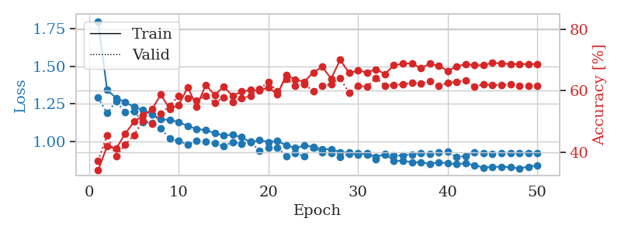
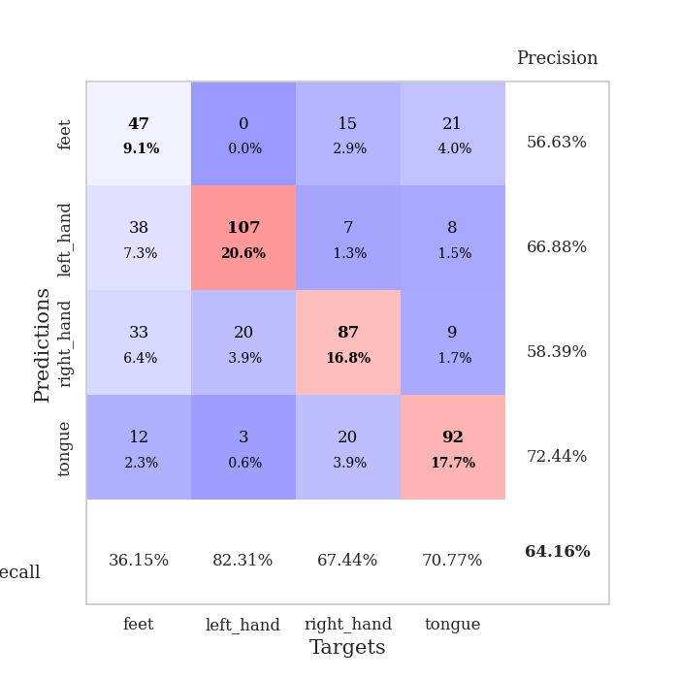
train_loss | valid_loss | train_accuracy | valid_accuracy | dur | train_misclass | valid_misclass
1.7984291072 | 1.2899003261 | 0.34066358025 | 0.37186897881 | 0.57375049591 | 34.066358025 | 37.186897881
1.3408837237 | 1.1870988702 | 0.41859567901 | 0.45472061657 | 0.56815433502 | 41.859567901 | 45.472061657
1.2888494068 | 1.2639823819 | 0.41049382716 | 0.38535645472 | 0.56402993202 | 41.049382716 | 38.535645472
1.2599331424 | 1.195660522 | 0.4587191358 | 0.42389210019 | 0.56253266335 | 45.87191358 | 42.389210019
1.2290155137 | 1.1968119606 | 0.49884259259 | 0.45472061657 | 0.55919027328 | 49.884259259 | 45.472061657
1.20693538 | 1.1287206094 | 0.51890432099 | 0.50289017341 | 0.55933976173 | 51.890432099 | 50.289017341
1.1783667762 | 1.1242436157 | 0.53896604938 | 0.49325626204 | 0.58759331703 | 53.896604938 | 49.325626204
1.1453346702 | 1.0846014644 | 0.58719135802 | 0.52601156069 | 0.55940914154 | 58.719135802 | 52.601156069
1.1421165363 | 1.0171888924 | 0.53935185185 | 0.55105973025 | 0.5595729351 | 53.935185185 | 55.105973025
1.1289951904 | 1.0027879844 | 0.55362654321 | 0.5838150289 | 0.56009793282 | 55.362654321 | 58.38150289
1.0997597354 | 0.97724010145 | 0.61111111111 | 0.57610789981 | 0.55962777138 | 61.111111111 | 57.610789981
1.0827896967 | 1.0012853846 | 0.54783950617 | 0.56840077071 | 0.55965781212 | 54.783950617 | 56.840077071
1.0739478498 | 0.99753139772 | 0.61921296296 | 0.5838150289 | 0.56042861938 | 61.921296296 | 58.38150289
1.0548614907 | 0.98561497024 | 0.58564814815 | 0.56069364162 | 0.5630812645 | 58.564814815 | 56.069364162
1.0388223102 | 0.9687248705 | 0.61304012346 | 0.57803468208 | 0.56010699272 | 61.304012346 | 57.803468208
1.0437026969 | 0.99392754747 | 0.58333333333 | 0.56262042389 | 0.56106686592 | 58.333333333 | 56.262042389
1.0267691759 | 0.9823461059 | 0.59683641975 | 0.57610789981 | 0.55930948257 | 59.683641975 | 57.610789981
0.99319314662 | 0.99776474773 | 0.60185185185 | 0.58188824663 | 0.56264638901 | 60.185185185 | 58.188824663
1.0076232759 | 0.93572040835 | 0.59953703704 | 0.60500963391 | 0.55993366241 | 59.953703704 | 60.500963391
0.99542920935 | 0.95641360301 | 0.61072530864 | 0.62813102119 | 0.59691905975 | 61.072530864 | 62.813102119
1.0021252349 | 0.95873200824 | 0.58757716049 | 0.59730250482 | 0.54790234566 | 58.757716049 | 59.730250482
0.97268532787 | 0.90270107606 | 0.65162037037 | 0.63776493256 | 0.55133104324 | 65.162037037 | 63.776493256
0.95658481636 | 0.91926531089 | 0.63580246914 | 0.61657032755 | 0.55382514 | 63.580246914 | 61.657032755
0.97013517442 | 0.90179385799 | 0.62924382716 | 0.6204238921 | 0.55345273018 | 62.924382716 | 62.04238921
0.96451764821 | 0.9585194822 | 0.65933641975 | 0.59922928709 | 0.55192089081 | 65.933641975 | 59.922928709
0.94704748892 | 0.92558917857 | 0.6774691358 | 0.61657032755 | 0.55456423759 | 67.74691358 | 61.657032755
0.94669348388 | 0.91979200785 | 0.63927469136 | 0.6204238921 | 0.55198383331 | 63.927469136 | 62.04238921
0.9281244622 | 0.89412724076 | 0.70023148148 | 0.63969171484 | 0.55678033829 | 70.023148148 | 63.969171484
0.9250694666 | 0.91762012439 | 0.65779320988 | 0.59344894027 | 0.55271029472 | 65.779320988 | 59.344894027
0.91021499663 | 0.92155226072 | 0.66512345679 | 0.61657032755 | 0.55599164963 | 66.512345679 | 61.657032755
0.91987859614 | 0.91304219412 | 0.65972222222 | 0.61271676301 | 0.55278348923 | 65.972222222 | 61.271676301
0.89625830249 | 0.88081130196 | 0.66975308642 | 0.64161849711 | 0.55328965187 | 66.975308642 | 64.161849711
0.91447240151 | 0.90947431429 | 0.65432098765 | 0.61657032755 | 0.55517482758 | 65.432098765 | 61.657032755
0.87159319498 | 0.903623894 | 0.68287037037 | 0.61849710983 | 0.54202818871 | 68.287037037 | 61.849710983
0.86932460817 | 0.90620821037 | 0.6875 | 0.6204238921 | 0.55232214928 | 68.75 | 62.04238921
0.86093620698 | 0.91297792125 | 0.68904320988 | 0.62620423892 | 0.55179476738 | 68.904320988 | 62.620423892
0.85990252741 | 0.92185792183 | 0.67322530864 | 0.62235067437 | 0.55126285553 | 67.322530864 | 62.235067437
0.84954083021 | 0.91556162435 | 0.6875 | 0.63005780347 | 0.54194664955 | 68.75 | 63.005780347
0.86090190506 | 0.92813051689 | 0.68094135802 | 0.61464354528 | 0.54358005524 | 68.094135802 | 61.464354528
0.85333151251 | 0.92947315802 | 0.66473765432 | 0.62620423892 | 0.54812788963 | 66.473765432 | 62.620423892
0.84756853257 | 0.89543642796 | 0.67824074074 | 0.62813102119 | 0.56328487396 | 67.824074074 | 62.813102119
0.85329343618 | 0.90202227195 | 0.68672839506 | 0.63391136802 | 0.56176352501 | 68.672839506 | 63.391136802
0.84090073517 | 0.92841315109 | 0.6824845679 | 0.61271676301 | 0.5667412281 | 68.24845679 | 61.271676301
0.82463452404 | 0.91958070054 | 0.68287037037 | 0.6204238921 | 0.54716920853 | 68.287037037 | 62.04238921
0.83025770441 | 0.91732577391 | 0.69097222222 | 0.61849710983 | 0.57171964645 | 69.097222222 | 61.849710983
0.83092619148 | 0.918855445 | 0.68827160494 | 0.61849710983 | 0.56411600113 | 68.827160494 | 61.849710983
0.82649056669 | 0.92176597242 | 0.68672839506 | 0.6204238921 | 0.55422353745 | 68.672839506 | 62.04238921
0.81954883352 | 0.92290537642 | 0.68672839506 | 0.61657032755 | 0.55016183853 | 68.672839506 | 61.657032755
0.83097603108 | 0.92288961874 | 0.68672839506 | 0.61464354528 | 0.55019330978 | 68.672839506 | 61.464354528
0.84038892554 | 0.92224490229 | 0.68672839506 | 0.61657032755 | 0.54552388191 | 68.672839506 | 61.657032755

Best Val accuracy is 0.6416184971098265 and Best test accuracy is 0.48721659430776654

Sheet6
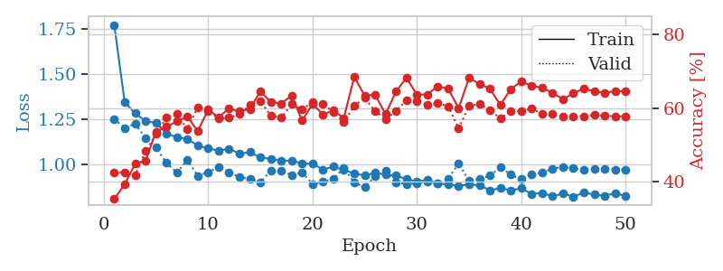
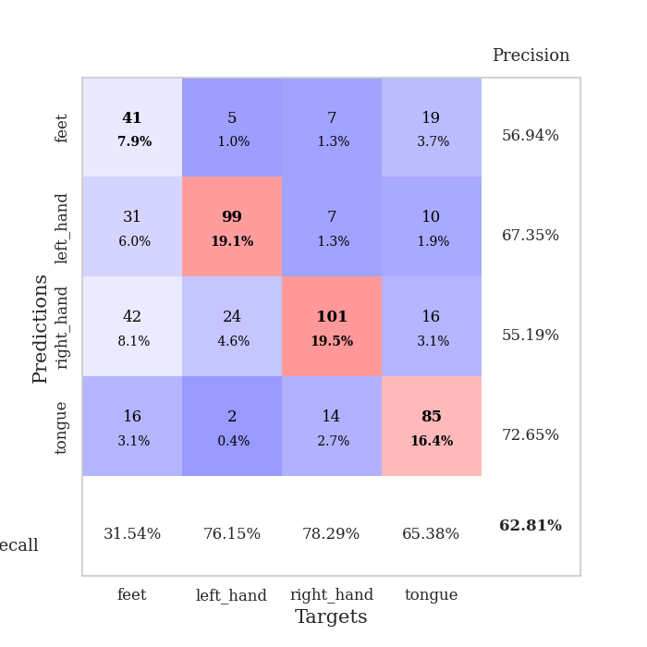
train_loss | valid_loss | train_accuracy | valid_accuracy | dur | train_misclass | valid_misclass
1.7739828781 | 1.2522255734 | 0.35300925926 | 0.42581888247 | 0.55753779411 | 35.300925926 | 42.581888247
1.3452553882 | 1.2025873695 | 0.39351851852 | 0.42581888247 | 0.54862213135 | 39.351851852 | 42.581888247
1.2840369358 | 1.2260294808 | 0.4486882716 | 0.41811175337 | 0.54937696457 | 44.86882716 | 41.811175337
1.2402883143 | 1.1465456798 | 0.45717592593 | 0.48362235067 | 0.54768562317 | 45.717592593 | 48.362235067
1.2306014848 | 1.0933658303 | 0.53665123457 | 0.52986512524 | 0.54779529572 | 53.665123457 | 52.986512524
1.1720918491 | 1.0086600746 | 0.54938271605 | 0.57418111753 | 0.54686713219 | 54.938271605 | 57.418111753
1.1510219578 | 0.95549315639 | 0.56442901235 | 0.58574181118 | 0.55327224731 | 56.442901235 | 58.574181118
1.1404192297 | 1.023706495 | 0.5775462963 | 0.54335260116 | 0.54836821556 | 57.75462963 | 54.335260116
1.1057920246 | 0.93790870067 | 0.53819444444 | 0.60308285164 | 0.54992032051 | 53.819444444 | 60.308285164
1.0895739783 | 0.95791965379 | 0.59606481481 | 0.59344894027 | 0.55408358574 | 59.606481481 | 59.344894027
1.0770502223 | 0.9846268395 | 0.57561728395 | 0.57225433526 | 0.54844427109 | 57.561728395 | 57.225433526
1.0877261338 | 0.95561453855 | 0.59953703704 | 0.57418111753 | 0.54923725128 | 59.953703704 | 57.418111753
1.0599852079 | 0.9315460121 | 0.59104938272 | 0.5838150289 | 0.55111765862 | 59.104938272 | 58.38150289
1.0683960326 | 0.91841465292 | 0.59837962963 | 0.60886319846 | 0.5482480526 | 59.837962963 | 60.886319846
1.0384073191 | 0.90213768905 | 0.64583333333 | 0.6204238921 | 0.55521249771 | 64.583333333 | 62.04238921
1.0316827805 | 0.96577459838 | 0.61728395062 | 0.57996146435 | 0.55038118362 | 61.728395062 | 57.996146435
1.0202910282 | 0.96407078698 | 0.61304012346 | 0.57418111753 | 0.55053281784 | 61.304012346 | 57.418111753
1.0214616207 | 0.94297368793 | 0.63425925926 | 0.61078998073 | 0.55016803741 | 63.425925926 | 61.078998073
1.0062169076 | 0.95686814551 | 0.56674382716 | 0.59730250482 | 0.55027484894 | 56.674382716 | 59.730250482
1.0039470981 | 0.89176289401 | 0.61149691358 | 0.61657032755 | 0.55285644531 | 61.149691358 | 61.657032755
0.97263718166 | 0.90503036195 | 0.58333333333 | 0.61271676301 | 0.55034017563 | 58.333333333 | 61.271676301
0.98843669192 | 0.91963081622 | 0.59375 | 0.58959537572 | 0.55033326149 | 59.375 | 58.959537572
0.96911426091 | 0.9810372212 | 0.5736882716 | 0.56262042389 | 0.55314850807 | 57.36882716 | 56.262042389
0.95031375061 | 0.89966666974 | 0.68557098765 | 0.60693641618 | 0.54782176018 | 68.557098765 | 60.693641618
0.93855034974 | 0.874858474 | 0.63425925926 | 0.62813102119 | 0.55303859711 | 63.425925926 | 62.813102119
0.95414381483 | 0.93358088022 | 0.63695987654 | 0.591522158 | 0.55210328102 | 63.695987654 | 59.1522158
0.94421513471 | 0.96577948688 | 0.5837191358 | 0.57032755299 | 0.55077981949 | 58.37191358 | 57.032755299
0.93810505926 | 0.89911159638 | 0.64544753086 | 0.591522158 | 0.55224919319 | 64.544753086 | 59.1522158
0.91972550198 | 0.89173092295 | 0.68325617284 | 0.62235067437 | 0.55375885963 | 68.325617284 | 62.235067437
0.90520829919 | 0.89713764811 | 0.63695987654 | 0.6204238921 | 0.55428767204 | 63.695987654 | 62.04238921
0.91517050914 | 0.9049980606 | 0.63734567901 | 0.60886319846 | 0.5494184494 | 63.734567901 | 60.886319846
0.89595449302 | 0.893774995 | 0.65972222222 | 0.61464354528 | 0.5546336174 | 65.972222222 | 61.464354528
0.88880209202 | 0.92023920645 | 0.65316358025 | 0.60500963391 | 0.55263447762 | 65.316358025 | 60.500963391
0.88211642206 | 1.0076888967 | 0.59992283951 | 0.54527938343 | 0.55761170387 | 59.992283951 | 54.527938343
0.88921343839 | 0.90835538397 | 0.6824845679 | 0.60693641618 | 0.55555129051 | 68.24845679 | 60.693641618
0.88545093051 | 0.91916059161 | 0.6662808642 | 0.61078998073 | 0.55310201645 | 66.62808642 | 61.078998073
0.8566125039 | 0.93906853286 | 0.65316358025 | 0.59537572254 | 0.54881453514 | 65.316358025 | 59.537572254
0.86958641053 | 0.98478067472 | 0.6087962963 | 0.57225433526 | 0.5538585186 | 60.87962963 | 57.225433526
0.85751259621 | 0.94399331898 | 0.65239197531 | 0.591522158 | 0.55643033981 | 65.239197531 | 59.1522158
0.86801589124 | 0.91848680854 | 0.6724537037 | 0.591522158 | 0.55612540245 | 67.24537037 | 59.1522158
0.83735671345 | 0.94576106297 | 0.6612654321 | 0.59922928709 | 0.54960560799 | 66.12654321 | 59.922928709
0.84182412058 | 0.95488125051 | 0.65547839506 | 0.5838150289 | 0.54975318909 | 65.547839506 | 58.38150289
0.82458297007 | 0.97663989141 | 0.64197530864 | 0.5838150289 | 0.55556225777 | 64.197530864 | 58.38150289
0.83884451915 | 0.98612403181 | 0.62461419753 | 0.57803468208 | 0.55357289314 | 62.461419753 | 57.803468208
0.82175275647 | 0.97881393327 | 0.64043209877 | 0.57803468208 | 0.55384993553 | 64.043209877 | 57.803468208
0.8445722251 | 0.97077549193 | 0.65354938272 | 0.57803468208 | 0.55756258965 | 65.354938272 | 57.803468208
0.83329960925 | 0.9733349682 | 0.64583333333 | 0.58188824663 | 0.55655288696 | 64.583333333 | 58.188824663
0.82661066066 | 0.97441968362 | 0.64236111111 | 0.57996146435 | 0.5537314415 | 64.236111111 | 57.996146435
0.84162906015 | 0.97274830208 | 0.64660493827 | 0.57803468208 | 0.55557203293 | 64.660493827 | 57.803468208
0.82512134626 | 0.97245363854 | 0.6462191358 | 0.57803468208 | 0.55341887474 | 64.62191358 | 57.803468208

Best Val accuracy is 0.628131021194605 and Best test accuracy is 0.49589966232513266

Sheet7
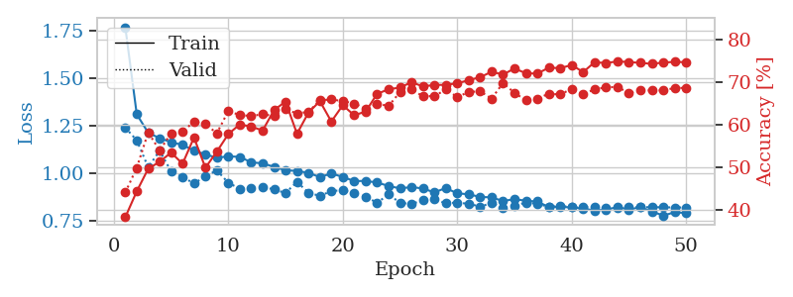
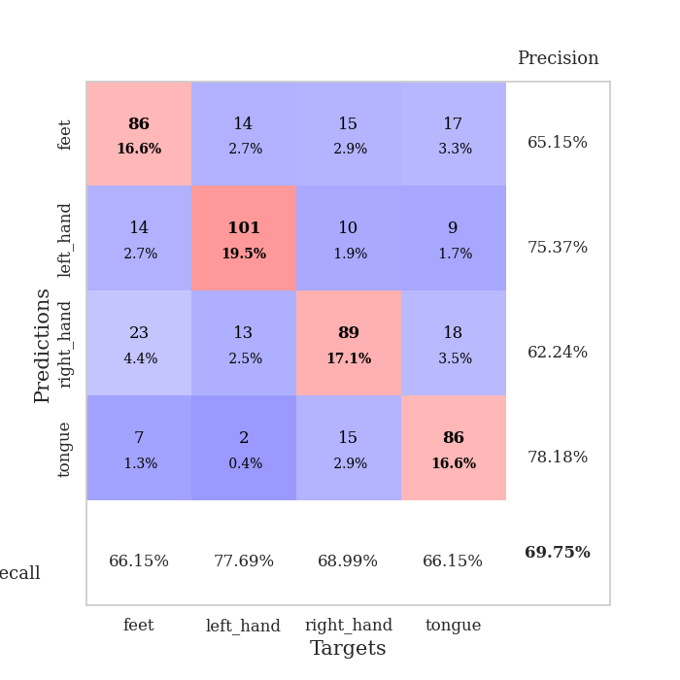
train_loss | valid_loss | train_accuracy | valid_accuracy | dur | train_misclass | valid_misclass
1.7704038532 | 1.241331612 | 0.38348765432 | 0.44123314066 | 0.55267047882 | 38.348765432 | 44.123314066
1.3116913659 | 1.1746613633 | 0.44405864198 | 0.49903660886 | 0.55311775208 | 44.405864198 | 49.903660886
1.2144582636 | 1.0325389068 | 0.49691358025 | 0.58188824663 | 0.55289363861 | 49.691358025 | 58.188824663
1.1856873709 | 1.1193427633 | 0.51311728395 | 0.53949903661 | 0.5534260273 | 51.311728395 | 53.949903661
1.1646372326 | 1.0114120029 | 0.53472222222 | 0.57996146435 | 0.55314445496 | 53.472222222 | 57.996146435
1.1504878597 | 0.98219061173 | 0.50848765432 | 0.5838150289 | 0.55319333076 | 50.848765432 | 58.38150289
1.1208471465 | 0.94651090329 | 0.56983024691 | 0.60693641618 | 0.55319333076 | 56.983024691 | 60.693641618
1.100848301 | 0.98516929781 | 0.49922839506 | 0.60115606936 | 0.55416083336 | 49.922839506 | 60.115606936
1.0822601811 | 1.0164685474 | 0.53703703704 | 0.57996146435 | 0.55336999893 | 53.703703704 | 57.996146435
1.0906391821 | 0.95065402709 | 0.57793209877 | 0.63198458574 | 0.55244684219 | 57.793209877 | 63.198458574
1.0870264673 | 0.9198407316 | 0.60069444444 | 0.62235067437 | 0.55273270607 | 60.069444444 | 62.235067437
1.0587346907 | 0.92088843954 | 0.59529320988 | 0.6204238921 | 0.55245757103 | 59.529320988 | 62.04238921
1.0530148406 | 0.93058987642 | 0.58641975309 | 0.62427745665 | 0.55261898041 | 58.641975309 | 62.427745665
1.0348073991 | 0.91510642551 | 0.63425925926 | 0.6204238921 | 0.55250811577 | 63.425925926 | 62.04238921
1.0160901282 | 0.89734175279 | 0.65393518519 | 0.63583815029 | 0.55284523964 | 65.393518519 | 63.583815029
1.0136812208 | 0.95542300735 | 0.5787037037 | 0.62620423892 | 0.55281066895 | 57.87037037 | 62.620423892
1.0029180333 | 0.89885908882 | 0.62808641975 | 0.63005780347 | 0.55477428436 | 62.808641975 | 63.005780347
0.98101595743 | 0.88127521789 | 0.65509259259 | 0.6570327553 | 0.55339860916 | 65.509259259 | 65.70327553
0.99965551771 | 0.90749596654 | 0.60725308642 | 0.65895953757 | 0.55271220207 | 60.725308642 | 65.895953757
0.9817566627 | 0.91143500782 | 0.64544753086 | 0.65510597303 | 0.55505752563 | 64.544753086 | 65.510597303
0.95975514694 | 0.89688606689 | 0.62191358025 | 0.6493256262 | 0.55276441574 | 62.191358025 | 64.93256262
0.96069838235 | 0.87672718113 | 0.63078703704 | 0.63776493256 | 0.55331945419 | 63.078703704 | 63.776493256
0.95207151955 | 0.84563957772 | 0.67206790123 | 0.6493256262 | 0.55634140968 | 67.206790123 | 64.93256262
0.93415464902 | 0.88906214577 | 0.68287037037 | 0.64354527938 | 0.54265570641 | 68.287037037 | 64.354527938
0.92110433843 | 0.84609130536 | 0.68672839506 | 0.67630057803 | 0.54187703133 | 68.672839506 | 67.630057803
0.92837032179 | 0.83855359816 | 0.69945987654 | 0.68208092486 | 0.5430560112 | 69.945987654 | 68.208092486
0.92068591052 | 0.85965354066 | 0.68942901235 | 0.66666666667 | 0.54134654999 | 68.942901235 | 66.666666667
0.90027514063 | 0.86298790741 | 0.69290123457 | 0.66666666667 | 0.54133415222 | 69.290123457 | 66.666666667
0.92321294509 | 0.84327084664 | 0.69328703704 | 0.68208092486 | 0.5446472168 | 69.328703704 | 68.208092486
0.89496841843 | 0.84657860882 | 0.69675925926 | 0.66473988439 | 0.54068017006 | 69.675925926 | 66.473988439
0.89051163601 | 0.83984520922 | 0.70408950617 | 0.67630057803 | 0.54164862633 | 70.408950617 | 67.630057803
0.87583452831 | 0.82578049207 | 0.71103395062 | 0.67822736031 | 0.54672241211 | 71.103395062 | 67.822736031
0.87438994628 | 0.84358923467 | 0.7237654321 | 0.66088631985 | 0.54086184502 | 72.37654321 | 66.088631985
0.85421300762 | 0.82098072205 | 0.71720679012 | 0.69749518304 | 0.54131221771 | 71.720679012 | 69.749518304
0.86517130685 | 0.82928526884 | 0.73148148148 | 0.67437379576 | 0.54233241081 | 73.148148148 | 67.437379576
0.8557086953 | 0.84675796827 | 0.72029320988 | 0.6570327553 | 0.54573774338 | 72.029320988 | 65.70327553
0.85247436479 | 0.84017849474 | 0.71952160494 | 0.66088631985 | 0.57058310509 | 71.952160494 | 66.088631985
0.82246300192 | 0.82436963129 | 0.73341049383 | 0.67244701349 | 0.54079699516 | 73.341049383 | 67.244701349
0.82374784277 | 0.82886148027 | 0.73225308642 | 0.67052023121 | 0.54099297523 | 73.225308642 | 67.052023121
0.82110179777 | 0.8229608545 | 0.73958333333 | 0.68400770713 | 0.54092860222 | 73.958333333 | 68.400770713
0.81465049934 | 0.82167665256 | 0.72299382716 | 0.67244701349 | 0.54068541527 | 72.299382716 | 67.244701349
0.80513358907 | 0.8239207695 | 0.74614197531 | 0.68208092486 | 0.54094171524 | 74.614197531 | 68.208092486
0.80910278654 | 0.82002964208 | 0.74421296296 | 0.68786127168 | 0.54166388512 | 74.421296296 | 68.786127168
0.82293870824 | 0.81888073258 | 0.74807098765 | 0.68786127168 | 0.5410888195 | 74.807098765 | 68.786127168
0.80997283499 | 0.82209488055 | 0.74652777778 | 0.67437379576 | 0.54065799713 | 74.652777778 | 67.437379576
0.82180499295 | 0.82148174123 | 0.74459876543 | 0.68015414258 | 0.54130029678 | 74.459876543 | 68.015414258
0.79981063656 | 0.82250343513 | 0.74228395062 | 0.68015414258 | 0.54093313217 | 74.228395062 | 68.015414258
0.77810009284 | 0.82146790606 | 0.74537037037 | 0.68015414258 | 0.54076886177 | 74.537037037 | 68.015414258
0.79567344156 | 0.82097639491 | 0.74691358025 | 0.6859344894 | 0.54158186913 | 74.691358025 | 68.59344894
0.79136524395 | 0.82094416131 | 0.74614197531 | 0.6859344894 | 0.5406036377 | 74.614197531 | 68.59344894

Best Val accuracy is 0.697495183044316 and Best test accuracy is 0.5277375783888085

Sheet8
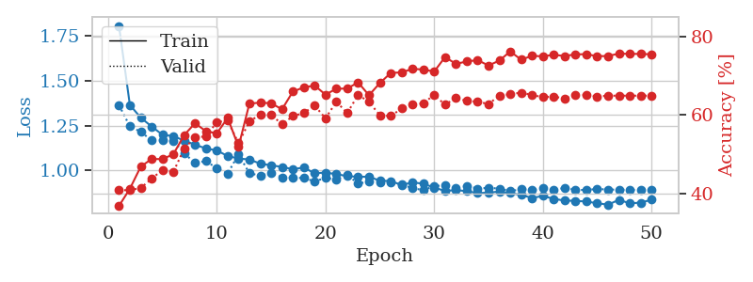
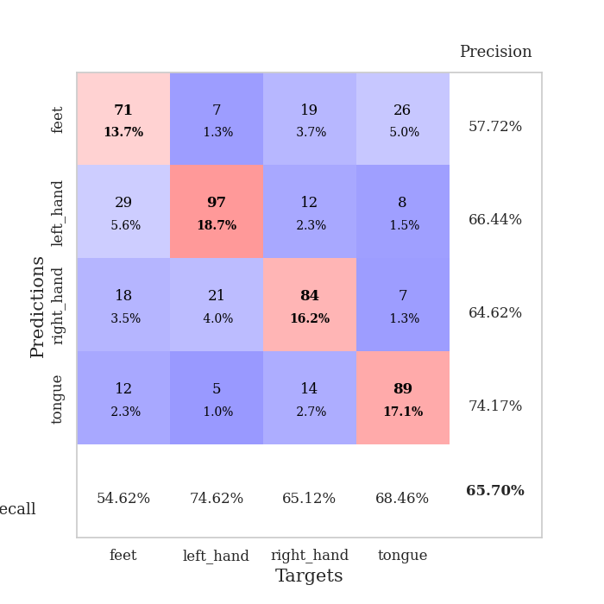
train_loss | valid_loss | train_accuracy | valid_accuracy | dur | train_misclass | valid_misclass
1.8028460447 | 1.3631295136 | 0.36844135802 | 0.408477842 | 0.55338764191 | 36.844135802 | 40.8477842
1.3642612681 | 1.2451552745 | 0.41203703704 | 0.408477842 | 0.55481529236 | 41.203703704 | 40.8477842
1.2933915633 | 1.2151172411 | 0.46836419753 | 0.41425818882 | 0.54562520981 | 46.836419753 | 41.425818882
1.2447332663 | 1.1678091738 | 0.48804012346 | 0.43737957611 | 0.5511071682 | 48.804012346 | 43.737957611
1.1986876458 | 1.1676500595 | 0.48765432099 | 0.46050096339 | 0.54844665527 | 48.765432099 | 46.050096339
1.190797436 | 1.1643473592 | 0.5 | 0.45472061657 | 0.54113388062 | 50 | 45.472061657
1.1663299983 | 1.095758635 | 0.54899691358 | 0.51445086705 | 0.54040789604 | 54.899691358 | 51.445086705
1.143331981 | 1.0415356503 | 0.57908950617 | 0.54335260116 | 0.54411625862 | 57.908950617 | 54.335260116
1.1226479761 | 1.0529277267 | 0.55864197531 | 0.54527938343 | 0.54010987282 | 55.864197531 | 54.527938343
1.1116082161 | 1.01254203 | 0.55324074074 | 0.58188824663 | 0.54102087021 | 55.324074074 | 58.188824663
1.0805108135 | 0.98354359123 | 0.59259259259 | 0.58574181118 | 0.54268217087 | 59.259259259 | 58.574181118
1.0670405251 | 1.090251178 | 0.51929012346 | 0.52793834297 | 0.5410733223 | 51.929012346 | 52.793834297
1.0611059909 | 0.98465231182 | 0.62924382716 | 0.5838150289 | 0.54228234291 | 62.924382716 | 58.38150289
1.0383552447 | 0.97260512897 | 0.63155864198 | 0.60115606936 | 0.54009819031 | 63.155864198 | 60.115606936
1.0288361947 | 0.98478693999 | 0.6300154321 | 0.60115606936 | 0.54161000252 | 63.00154321 | 60.115606936
1.0203856248 | 0.96278507585 | 0.61458333333 | 0.57610789981 | 0.54257035255 | 61.458333333 | 57.610789981
1.0071137073 | 0.95963731667 | 0.65972222222 | 0.59730250482 | 0.55179309845 | 65.972222222 | 59.730250482
1.0172055272 | 0.95908598197 | 0.67052469136 | 0.60500963391 | 0.54903507233 | 67.052469136 | 60.500963391
0.98447854909 | 0.93965161168 | 0.67515432099 | 0.62427745665 | 0.54701137543 | 67.515432099 | 62.427745665
0.98911989618 | 0.95945854545 | 0.65200617284 | 0.591522158 | 0.54735374451 | 65.200617284 | 59.1522158
0.98000208095 | 0.94984180114 | 0.66705246914 | 0.63391136802 | 0.55483555794 | 66.705246914 | 63.391136802
0.96917849632 | 0.97526954617 | 0.6674382716 | 0.60500963391 | 0.55116963387 | 66.74382716 | 60.500963391
0.9649484956 | 0.92800910739 | 0.68325617284 | 0.65125240848 | 0.55247735977 | 68.325617284 | 65.125240848
0.96639005932 | 0.93804862665 | 0.65046296296 | 0.63391136802 | 0.55724596977 | 65.046296296 | 63.391136802
0.94332873674 | 0.93683255661 | 0.68132716049 | 0.59922928709 | 0.54872846603 | 68.132716049 | 59.922928709
0.94215939921 | 0.93578468949 | 0.70717592593 | 0.59730250482 | 0.54848313332 | 70.717592593 | 59.730250482
0.9195896205 | 0.92255693272 | 0.7087191358 | 0.61657032755 | 0.55156803131 | 70.87191358 | 61.657032755
0.93431178416 | 0.90234632161 | 0.71759259259 | 0.62620423892 | 0.55106830597 | 71.759259259 | 62.620423892
0.92703597321 | 0.89145287889 | 0.71604938272 | 0.63005780347 | 0.54869413376 | 71.604938272 | 63.005780347
0.90536787996 | 0.9134159327 | 0.71064814815 | 0.65125240848 | 0.55340123177 | 71.064814815 | 65.125240848
0.8871113325 | 0.91835776023 | 0.74768518519 | 0.62620423892 | 0.5524084568 | 74.768518519 | 62.620423892
0.89161061762 | 0.90144613161 | 0.73032407407 | 0.64354527938 | 0.55739045143 | 73.032407407 | 64.354527938
0.88593721537 | 0.91366538767 | 0.73649691358 | 0.63583815029 | 0.55468845367 | 73.649691358 | 63.583815029
0.87486336353 | 0.9005160543 | 0.7399691358 | 0.63391136802 | 0.55157828331 | 73.99691358 | 63.391136802
0.87760931456 | 0.90382576081 | 0.72608024691 | 0.62813102119 | 0.55159664154 | 72.608024691 | 62.813102119
0.88349791644 | 0.90042129027 | 0.7388117284 | 0.6493256262 | 0.55262684822 | 73.88117284 | 64.93256262
0.87459963376 | 0.88544591589 | 0.76195987654 | 0.65317919075 | 0.55099415779 | 76.195987654 | 65.317919075
0.86513857249 | 0.89654647339 | 0.74112654321 | 0.6570327553 | 0.55208444595 | 74.112654321 | 65.70327553
0.84799913418 | 0.89209282421 | 0.75077160494 | 0.65125240848 | 0.55522871017 | 75.077160494 | 65.125240848
0.85897292105 | 0.90060633203 | 0.74961419753 | 0.64547206166 | 0.55043005943 | 74.961419753 | 64.547206166
0.84300726836 | 0.89236092292 | 0.75347222222 | 0.64739884393 | 0.54990434647 | 75.347222222 | 64.739884393
0.83338933723 | 0.90384843722 | 0.75038580247 | 0.64161849711 | 0.55125260353 | 75.038580247 | 64.161849711
0.83206119949 | 0.89279415934 | 0.75462962963 | 0.65125240848 | 0.54891657829 | 75.462962963 | 65.125240848
0.82812883033 | 0.89225153886 | 0.7550154321 | 0.65125240848 | 0.55675625801 | 75.50154321 | 65.125240848
0.81871969115 | 0.89776270468 | 0.75 | 0.64739884393 | 0.55362343788 | 75 | 64.739884393
0.81067076914 | 0.89484426052 | 0.75038580247 | 0.6493256262 | 0.55506420135 | 75.038580247 | 64.93256262
0.83759997141 | 0.89367596515 | 0.75655864198 | 0.6493256262 | 0.55220103264 | 75.655864198 | 64.93256262
0.81791560609 | 0.89321733738 | 0.75578703704 | 0.6493256262 | 0.55296134949 | 75.578703704 | 64.93256262
0.82219884076 | 0.89230917368 | 0.75578703704 | 0.6493256262 | 0.55251646042 | 75.578703704 | 64.93256262
0.83807721992 | 0.89268418888 | 0.75462962963 | 0.6493256262 | 0.55984568596 | 75.462962963 | 64.93256262

Best Val accuracy is 0.6570327552986512 and Best test accuracy is 0.5282199710564399

Sheet9
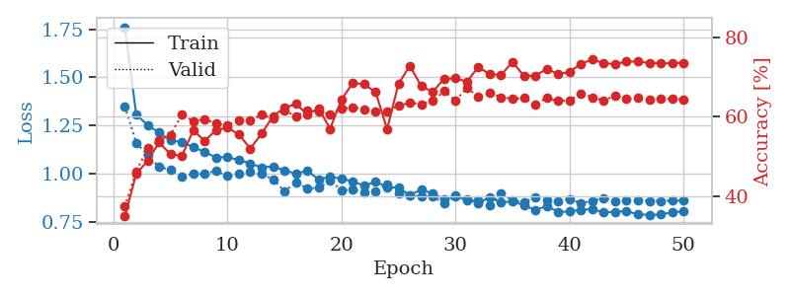
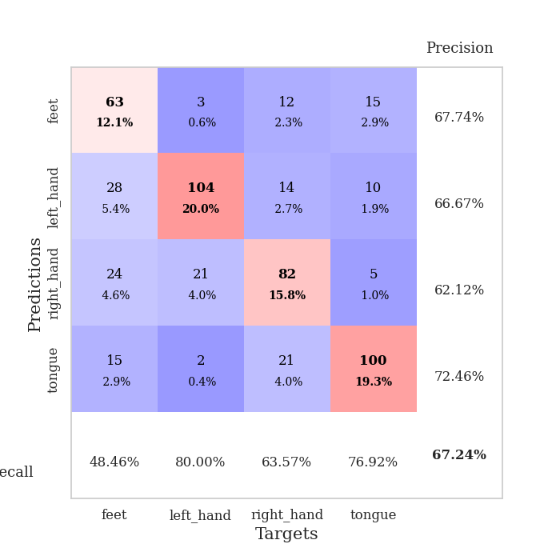
train_loss | valid_loss | train_accuracy | valid_accuracy | dur | train_misclass | valid_misclass
1.7610009438 | 1.349339973 | 0.3487654321 | 0.37379576108 | 0.55632519722 | 34.87654321 | 37.379576108
1.3076887392 | 1.1611481501 | 0.45563271605 | 0.46242774566 | 0.55281972885 | 45.563271605 | 46.242774566
1.2517025798 | 1.0968382839 | 0.48919753086 | 0.52023121387 | 0.55245518684 | 48.919753086 | 52.023121387
1.2140034121 | 1.0342590983 | 0.53510802469 | 0.54142581888 | 0.55322599411 | 53.510802469 | 54.142581888
1.1720484403 | 1.0219723914 | 0.50578703704 | 0.5549132948 | 0.55039596558 | 50.578703704 | 55.49132948
1.1646093402 | 0.9850635145 | 0.50115740741 | 0.60500963391 | 0.55072426796 | 50.115740741 | 60.500963391
1.1385561725 | 0.99865215201 | 0.56597222222 | 0.58959537572 | 0.55101084709 | 56.597222222 | 58.959537572
1.1123711864 | 0.99963343488 | 0.53935185185 | 0.59344894027 | 0.55421733856 | 53.935185185 | 59.344894027
1.0846828447 | 1.0158192769 | 0.56635802469 | 0.5838150289 | 0.59239840508 | 56.635802469 | 58.38150289
1.0862211578 | 0.98774098339 | 0.57291666667 | 0.57803468208 | 0.55010414124 | 57.291666667 | 57.803468208
1.0714261042 | 0.99918881834 | 0.55555555556 | 0.591522158 | 0.54485702515 | 55.555555556 | 59.1522158
1.0528679873 | 1.0090114632 | 0.5200617284 | 0.591522158 | 0.54041528702 | 52.00617284 | 59.1522158
1.032949459 | 0.99876195388 | 0.5574845679 | 0.60500963391 | 0.55004882812 | 55.74845679 | 60.500963391
1.038696625 | 0.97080104774 | 0.60185185185 | 0.59537572254 | 0.55065751076 | 60.185185185 | 59.537572254
1.0172082311 | 0.91000798419 | 0.62268518519 | 0.61657032755 | 0.55264878273 | 62.268518519 | 61.657032755
1.0008536345 | 0.95369018686 | 0.63271604938 | 0.60115606936 | 0.55032134056 | 63.271604938 | 60.115606936
1.0148033132 | 0.92418696426 | 0.60609567901 | 0.61657032755 | 0.54971575737 | 60.609567901 | 61.657032755
0.97021353907 | 0.92625706205 | 0.62152777778 | 0.61271676301 | 0.55058717728 | 62.152777778 | 61.271676301
0.98426063083 | 0.96320672302 | 0.56983024691 | 0.60693641618 | 0.56489157677 | 56.983024691 | 60.693641618
0.97439672917 | 0.91567760465 | 0.64390432099 | 0.6204238921 | 0.54033279419 | 64.390432099 | 62.04238921
0.95995742763 | 0.91793865827 | 0.68557098765 | 0.62427745665 | 0.53965973854 | 68.557098765 | 62.427745665
0.93716814673 | 0.90250316865 | 0.68209876543 | 0.61849710983 | 0.54037880898 | 68.209876543 | 61.849710983
0.95884567757 | 0.91006522693 | 0.66203703704 | 0.61271676301 | 0.54064059258 | 66.203703704 | 61.271676301
0.93069807799 | 0.94430018528 | 0.56867283951 | 0.61464354528 | 0.54190039635 | 56.867283951 | 61.464354528
0.92765401727 | 0.89683546611 | 0.68364197531 | 0.62813102119 | 0.53992176056 | 68.364197531 | 62.813102119
0.89007367322 | 0.88768746122 | 0.7287808642 | 0.63583815029 | 0.54003763199 | 72.87808642 | 63.583815029
0.91655962942 | 0.88235571871 | 0.67708333333 | 0.63198458574 | 0.54044485092 | 67.708333333 | 63.198458574
0.89752823556 | 0.88328984064 | 0.66319444444 | 0.63969171484 | 0.54188704491 | 66.319444444 | 63.969171484
0.86801981613 | 0.84539791821 | 0.69598765432 | 0.66473988439 | 0.54712986946 | 69.598765432 | 66.473988439
0.88521978241 | 0.88201397853 | 0.69714506173 | 0.64161849711 | 0.55014681816 | 69.714506173 | 64.161849711
0.86754000941 | 0.86237481633 | 0.68865740741 | 0.67244701349 | 0.54822301865 | 68.865740741 | 67.244701349
0.84801298913 | 0.86386015006 | 0.72569444444 | 0.65125240848 | 0.55189323425 | 72.569444444 | 65.125240848
0.87684952146 | 0.83631363034 | 0.7075617284 | 0.66088631985 | 0.54832839966 | 70.75617284 | 66.088631985
0.85042019483 | 0.89868509655 | 0.70563271605 | 0.6493256262 | 0.54870128632 | 70.563271605 | 64.93256262
0.85660075589 | 0.86087266719 | 0.7388117284 | 0.64547206166 | 0.54953241348 | 73.88117284 | 64.547206166
0.83638242715 | 0.853929872 | 0.70293209877 | 0.64739884393 | 0.54949426651 | 70.293209877 | 64.739884393
0.8114739903 | 0.8765778808 | 0.70408950617 | 0.63198458574 | 0.54932069778 | 70.408950617 | 63.198458574
0.83225308248 | 0.86409924922 | 0.72067901235 | 0.64739884393 | 0.54976129532 | 72.067901235 | 64.739884393
0.80213518441 | 0.85906169754 | 0.70794753086 | 0.63969171484 | 0.54892396927 | 70.794753086 | 63.969171484
0.8035839912 | 0.86929899374 | 0.71334876543 | 0.64161849711 | 0.55146002769 | 71.334876543 | 64.161849711
0.81333312944 | 0.84624590763 | 0.7337962963 | 0.65895953757 | 0.55007266998 | 73.37962963 | 65.895953757
0.81583715644 | 0.85922669767 | 0.74459876543 | 0.6493256262 | 0.54986310005 | 74.459876543 | 64.93256262
0.79882598622 | 0.87374716365 | 0.73533950617 | 0.64161849711 | 0.54968166351 | 73.533950617 | 64.161849711
0.80259697581 | 0.85873492352 | 0.73302469136 | 0.65317919075 | 0.54975771904 | 73.302469136 | 65.317919075
0.80588060525 | 0.86075155744 | 0.73958333333 | 0.64547206166 | 0.54390048981 | 73.958333333 | 64.547206166
0.78919202531 | 0.86129237163 | 0.73919753086 | 0.64739884393 | 0.54160666466 | 73.919753086 | 64.739884393
0.78654660487 | 0.85934382689 | 0.73611111111 | 0.64354527938 | 0.54116153717 | 73.611111111 | 64.354527938
0.78801427579 | 0.8587024561 | 0.73533950617 | 0.64547206166 | 0.54174113274 | 73.533950617 | 64.547206166
0.7999440393 | 0.86023505758 | 0.7349537037 | 0.64547206166 | 0.54132699966 | 73.49537037 | 64.547206166
0.80409292987 | 0.8602315888 | 0.73649691358 | 0.64354527938 | 0.54149508476 | 73.649691358 | 64.354527938

Best Val accuracy is 0.6724470134874759 and Best test accuracy is 0.5388326097443319

Sheet10
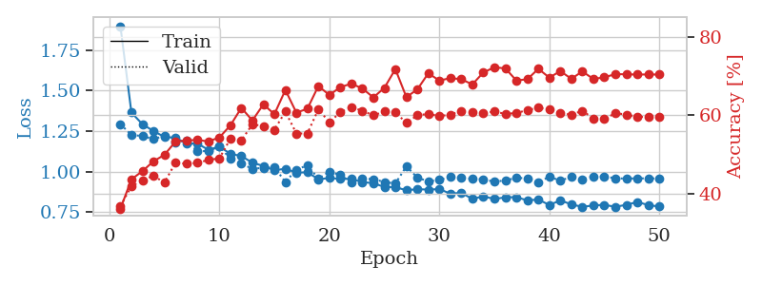
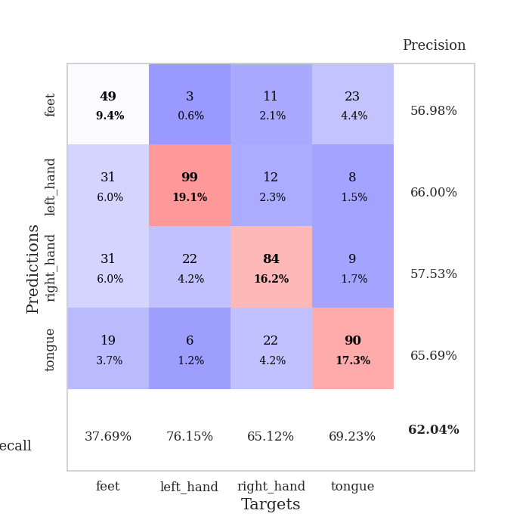
train_loss | valid_loss | train_accuracy | valid_accuracy | dur | train_misclass | valid_misclass
1.8983291549 | 1.2932810935 | 0.36072530864 | 0.36801541426 | 0.54203462601 | 36.072530864 | 36.801541426
1.3647828595 | 1.2261470873 | 0.43595679012 | 0.41811175337 | 0.54095411301 | 43.595679012 | 41.811175337
1.2927531144 | 1.2197838199 | 0.45679012346 | 0.43352601156 | 0.5410182476 | 45.679012346 | 43.352601156
1.2506859016 | 1.2006897756 | 0.48186728395 | 0.4450867052 | 0.54271459579 | 48.186728395 | 44.50867052
1.2141116033 | 1.2206314389 | 0.49845679012 | 0.42774566474 | 0.54117369652 | 49.845679012 | 42.774566474
1.2087503719 | 1.1777723476 | 0.53202160494 | 0.47784200385 | 0.5504925251 | 53.202160494 | 47.784200385
1.1740328368 | 1.1924796187 | 0.53549382716 | 0.47591522158 | 0.5409784317 | 53.549382716 | 47.591522158
1.1735400363 | 1.1263596247 | 0.5362654321 | 0.47784200385 | 0.54321837425 | 53.62654321 | 47.784200385
1.1344057031 | 1.1265124951 | 0.53279320988 | 0.48554913295 | 0.54156899452 | 53.279320988 | 48.554913295
1.1543881831 | 1.1557442323 | 0.54282407407 | 0.4894026975 | 0.54076766968 | 54.282407407 | 48.94026975
1.1101401073 | 1.0792985119 | 0.5736882716 | 0.53949903661 | 0.55238056183 | 57.36882716 | 53.949903661
1.0956404239 | 1.0480905824 | 0.61844135802 | 0.53564547206 | 0.55064964294 | 61.844135802 | 53.564547206
1.0550562695 | 1.0175816016 | 0.58603395062 | 0.57610789981 | 0.55598759651 | 58.603395062 | 57.610789981
1.0346204594 | 1.0229619002 | 0.62731481481 | 0.57225433526 | 0.56309962273 | 62.731481481 | 57.225433526
1.007943674 | 1.0269863408 | 0.60223765432 | 0.56262042389 | 0.55574679375 | 60.223765432 | 56.262042389
1.0176256465 | 0.93587396806 | 0.66396604938 | 0.60886319846 | 0.55283546448 | 66.396604938 | 60.886319846
0.99326540861 | 1.0117019463 | 0.60609567901 | 0.55298651252 | 0.54752635956 | 60.609567901 | 55.298651252
0.9958401716 | 1.038889302 | 0.61612654321 | 0.55298651252 | 0.54874849319 | 61.612654321 | 55.298651252
0.95320248236 | 0.95664027431 | 0.67399691358 | 0.61464354528 | 0.55007600784 | 67.399691358 | 61.464354528
0.95977386299 | 0.9983503892 | 0.6512345679 | 0.58188824663 | 0.56453037262 | 65.12345679 | 58.188824663
0.95580180891 | 0.97967829387 | 0.6712962963 | 0.60693641618 | 0.5573117733 | 67.12962963 | 60.693641618
0.95423933569 | 0.93275771068 | 0.68016975309 | 0.6204238921 | 0.55172991753 | 68.016975309 | 62.04238921
0.93559294258 | 0.95616739219 | 0.66782407407 | 0.61078998073 | 0.54729771614 | 66.782407407 | 61.078998073
0.92814894922 | 0.95330989315 | 0.6450617284 | 0.59922928709 | 0.54217290878 | 64.50617284 | 59.922928709
0.90541249955 | 0.93589785953 | 0.66936728395 | 0.60886319846 | 0.54117465019 | 66.936728395 | 60.886319846
0.90397985776 | 0.92624589221 | 0.71720679012 | 0.60693641618 | 0.55239796638 | 71.720679012 | 60.693641618
0.88457153204 | 1.0326140336 | 0.64583333333 | 0.57996146435 | 0.55094718933 | 64.583333333 | 57.996146435
0.89166516121 | 0.96281219034 | 0.66550925926 | 0.59922928709 | 0.55334568024 | 66.550925926 | 59.922928709
0.88856893116 | 0.93940314691 | 0.70679012346 | 0.60308285164 | 0.54949498177 | 70.679012346 | 60.308285164
0.89193860083 | 0.9487053551 | 0.68788580247 | 0.59730250482 | 0.55466175079 | 68.788580247 | 59.730250482
0.86350964194 | 0.96681052642 | 0.69444444444 | 0.60115606936 | 0.55251765251 | 69.444444444 | 60.115606936
0.86929808686 | 0.96027926282 | 0.69135802469 | 0.61078998073 | 0.55063390732 | 69.135802469 | 61.078998073
0.83095919332 | 0.95591865638 | 0.67824074074 | 0.60693641618 | 0.55374503136 | 67.824074074 | 60.693641618
0.84728782615 | 0.95250870773 | 0.7087191358 | 0.60500963391 | 0.55477356911 | 70.87191358 | 60.500963391
0.83076722239 | 0.93713535532 | 0.72183641975 | 0.60886319846 | 0.55733132362 | 72.183641975 | 60.886319846
0.84101794862 | 0.94603511731 | 0.71913580247 | 0.60308285164 | 0.56202530861 | 71.913580247 | 60.308285164
0.84219691544 | 0.96061019011 | 0.68827160494 | 0.60500963391 | 0.55321907997 | 68.827160494 | 60.500963391
0.82212752674 | 0.95933500145 | 0.69135802469 | 0.61271676301 | 0.55476212502 | 69.135802469 | 61.271676301
0.82778431898 | 0.93193915377 | 0.71797839506 | 0.61849710983 | 0.55174088478 | 71.797839506 | 61.849710983
0.79362116368 | 0.96899204034 | 0.69560185185 | 0.61464354528 | 0.55307292938 | 69.560185185 | 61.464354528
0.82237866116 | 0.94335944368 | 0.71219135802 | 0.60500963391 | 0.55238056183 | 71.219135802 | 60.500963391
0.79728961322 | 0.96835908495 | 0.6925154321 | 0.60115606936 | 0.55103754997 | 69.25154321 | 60.115606936
0.78220277252 | 0.95263418963 | 0.71141975309 | 0.61078998073 | 0.55106282234 | 71.141975309 | 61.078998073
0.7909356249 | 0.97049508021 | 0.69212962963 | 0.591522158 | 0.55146789551 | 69.212962963 | 59.1522158
0.79477619334 | 0.96948756947 | 0.69637345679 | 0.58959537572 | 0.55108237267 | 69.637345679 | 58.959537572
0.7822322908 | 0.95900400663 | 0.70447530864 | 0.60500963391 | 0.55149388313 | 70.447530864 | 60.500963391
0.79494317759 | 0.95643103628 | 0.70408950617 | 0.60115606936 | 0.55226349831 | 70.408950617 | 60.115606936
0.81220914736 | 0.95866581401 | 0.70331790123 | 0.59537572254 | 0.55076694489 | 70.331790123 | 59.537572254
0.79327816047 | 0.95765282285 | 0.7037037037 | 0.59537572254 | 0.55090117455 | 70.37037037 | 59.537572254
0.78386111502 | 0.95791984684 | 0.70331790123 | 0.59537572254 | 0.55920338631 | 70.331790123 | 59.537572254

Best Val accuracy is 0.6204238921001927 and Best test accuracy is 0.5412445730824892

