Sheet
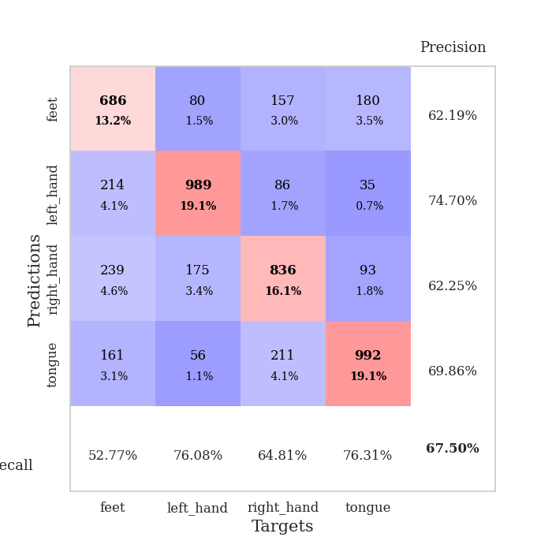
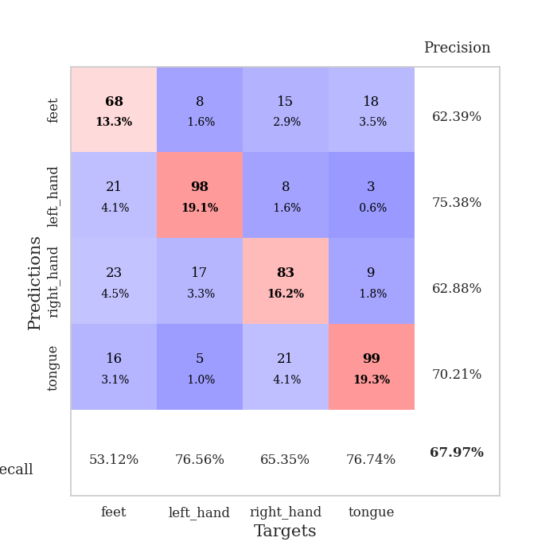
best_val_acc | best_val_los | best_test_acc
0.68400770713 | 0.82405490292 | 0.58321273517
0.67244701349 | 0.86494143115 | 0.59334298119
0.6493256262 | 0.8643449004 | 0.59816690786
0.67052023121 | 0.88327027745 | 0.60009647853
0.64739884393 | 0.93143353435 | 0.51085383502
0.69556840077 | 0.79771174861 | 0.59237819585
0.6570327553 | 0.87906648049 | 0.53304389773
0.67822736031 | 0.86880624777 | 0.55812831645
0.70134874759 | 0.81575824725 | 0.52870236372
0.6936416185 | 0.86621882392 | 0.5976845152

Mean,std Val accuracy is 0.6749518304431599 , 0.01922603046265215 and mean, std test accuracy is 0.5695610226724555 , 0.03398428859029252

Sheet1
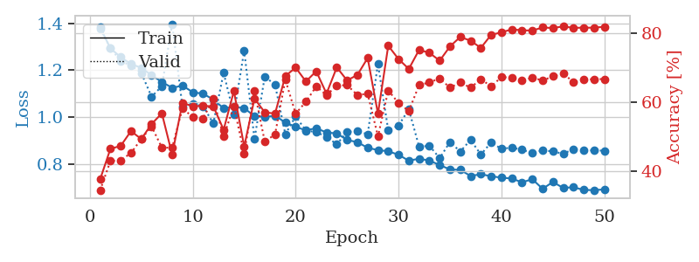
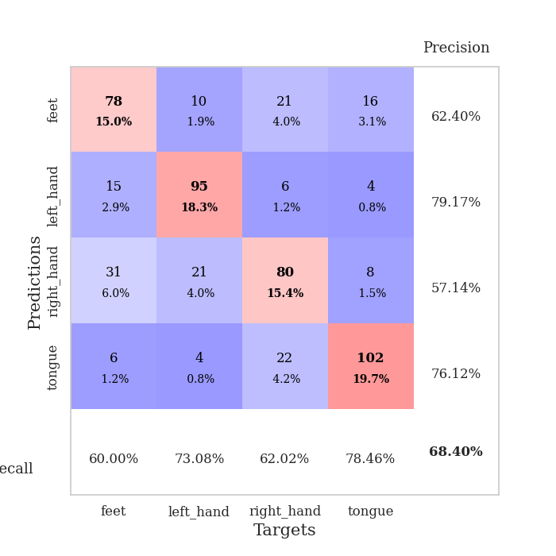
train_loss | valid_loss | train_accuracy | valid_accuracy | dur | train_misclass | valid_misclass
1.4112940379 | 1.4273259307 | 0.37461419753 | 0.35452793834 | 1.3756992817 | 37.461419753 | 35.452793834
1.2861957175 | 1.2448240684 | 0.47800925926 | 0.43545279383 | 1.2945840359 | 47.800925926 | 43.545279383
1.1908535442 | 1.3497986571 | 0.50154320988 | 0.50674373796 | 1.2822132111 | 50.154320988 | 50.674373796
1.1513965991 | 1.029249048 | 0.57175925926 | 0.55684007707 | 1.165466547 | 57.175925926 | 55.684007707
1.1307299317 | 1.1108014131 | 0.54398148148 | 0.54527938343 | 1.407245636 | 54.398148148 | 54.527938343
1.1083778437 | 1.0026605953 | 0.60841049383 | 0.57803468208 | 1.2899734974 | 60.841049383 | 57.803468208
1.1029184825 | 0.98787101581 | 0.54166666667 | 0.63005780347 | 1.2952516079 | 54.166666667 | 63.005780347
1.0676298189 | 1.013750869 | 0.57716049383 | 0.54527938343 | 1.310573101 | 57.716049383 | 54.527938343
1.0653309462 | 0.97801115265 | 0.6138117284 | 0.56069364162 | 1.2559154034 | 61.38117284 | 56.069364162
1.0889300925 | 1.0260217663 | 0.57600308642 | 0.56840077071 | 1.2690327168 | 57.600308642 | 56.840077071
1.0559401718 | 1.0159249279 | 0.6087962963 | 0.62620423892 | 1.324100256 | 60.87962963 | 62.620423892
1.043571123 | 0.94346640852 | 0.59027777778 | 0.63969171484 | 1.29763484 | 59.027777778 | 63.969171484
1.0033255091 | 0.98366618731 | 0.63850308642 | 0.58959537572 | 1.2621192932 | 63.850308642 | 58.959537572
1.0347408682 | 1.0296245092 | 0.62345679012 | 0.56262042389 | 1.2949647903 | 62.345679012 | 56.262042389
1.0017148448 | 1.1179240402 | 0.64930555556 | 0.51252408478 | 1.2785980701 | 64.930555556 | 51.252408478
0.99564490311 | 0.99855725005 | 0.6450617284 | 0.60500963391 | 1.3345999718 | 64.50617284 | 60.500963391
0.98995810158 | 1.0584601283 | 0.62307098765 | 0.54142581888 | 1.426207304 | 62.307098765 | 54.142581888
0.97419285811 | 1.006692967 | 0.66242283951 | 0.56069364162 | 1.2693972588 | 66.242283951 | 56.069364162
0.95349644474 | 1.0939192833 | 0.56442901235 | 0.57610789981 | 1.3230142593 | 56.442901235 | 57.610789981
0.95582889241 | 0.95133436932 | 0.62577160494 | 0.60886319846 | 1.32447505 | 62.577160494 | 60.886319846
0.92111408361 | 0.93552074772 | 0.70138888889 | 0.60693641618 | 1.3031840324 | 70.138888889 | 60.693641618
0.95124866915 | 0.9307548584 | 0.67785493827 | 0.60500963391 | 1.2650389671 | 67.785493827 | 60.500963391
0.91913807613 | 0.99233796854 | 0.63078703704 | 0.61271676301 | 1.2888696194 | 63.078703704 | 61.271676301
0.90571571611 | 0.98115542261 | 0.64197530864 | 0.5838150289 | 1.2925736904 | 64.197530864 | 58.38150289
0.89605553798 | 0.86602447051 | 0.71334876543 | 0.62427745665 | 1.3386561871 | 71.334876543 | 62.427745665
0.9018324115 | 1.2119442369 | 0.54436728395 | 0.49903660886 | 1.2671337128 | 54.436728395 | 49.903660886
0.86791216223 | 1.3846740222 | 0.57484567901 | 0.49132947977 | 1.3177092075 | 57.484567901 | 49.132947977
0.85922024647 | 0.83915592744 | 0.71103395062 | 0.66666666667 | 1.2568166256 | 71.103395062 | 66.666666667
0.83300157167 | 0.897643644 | 0.75578703704 | 0.63005780347 | 1.3028638363 | 75.578703704 | 63.005780347
0.8599805911 | 0.89825596401 | 0.73263888889 | 0.64547206166 | 1.3064644337 | 73.263888889 | 64.547206166
0.83242382109 | 0.82925601111 | 0.73649691358 | 0.64161849711 | 1.2351467609 | 73.649691358 | 64.161849711
0.83644247809 | 0.84807413736 | 0.73418209877 | 0.6570327553 | 1.2760908604 | 73.418209877 | 65.70327553
0.81326616675 | 0.80885017711 | 0.75925925926 | 0.66088631985 | 1.2944495678 | 75.925925926 | 66.088631985
0.79628707579 | 0.98296069387 | 0.73533950617 | 0.61078998073 | 1.3095777035 | 73.533950617 | 61.078998073
0.79713583066 | 0.84015573036 | 0.76195987654 | 0.66473988439 | 1.3468329906 | 76.195987654 | 66.473988439
0.79516994456 | 0.85880862403 | 0.78356481481 | 0.65510597303 | 1.2875170708 | 78.356481481 | 65.510597303
0.78906318196 | 0.82798327164 | 0.74652777778 | 0.65895953757 | 1.2675287724 | 74.652777778 | 65.895953757
0.76901666783 | 0.86962473438 | 0.77854938272 | 0.64739884393 | 1.2700526714 | 77.854938272 | 64.739884393
0.76659816044 | 0.83206154685 | 0.78240740741 | 0.64739884393 | 1.2366197109 | 78.240740741 | 64.739884393
0.7358952321 | 0.80775399314 | 0.78973765432 | 0.66859344894 | 1.2977926731 | 78.973765432 | 66.859344894
0.73668496182 | 0.8323879196 | 0.78858024691 | 0.66088631985 | 1.2548565865 | 78.858024691 | 66.088631985
0.73647913852 | 0.8560528135 | 0.79591049383 | 0.65510597303 | 1.2490086555 | 79.591049383 | 65.510597303
0.72079796721 | 0.82928960287 | 0.79398148148 | 0.66859344894 | 1.270200491 | 79.398148148 | 66.859344894
0.71828673118 | 0.83098069276 | 0.79398148148 | 0.67052023121 | 1.2246267796 | 79.398148148 | 67.052023121
0.71084228894 | 0.82834443697 | 0.80362654321 | 0.66473988439 | 1.261349678 | 80.362654321 | 66.473988439
0.69719408011 | 0.82155543187 | 0.80594135802 | 0.66473988439 | 1.2452836037 | 80.594135802 | 66.473988439
0.69762445857 | 0.82412887469 | 0.80516975309 | 0.66666666667 | 1.2285850048 | 80.516975309 | 66.666666667
0.70030632155 | 0.82708318385 | 0.80671296296 | 0.67052023121 | 1.219853878 | 80.671296296 | 67.052023121
0.73105632836 | 0.82481423026 | 0.80324074074 | 0.67052023121 | 1.251830101 | 80.324074074 | 67.052023121
0.69050836857 | 0.82564480663 | 0.80401234568 | 0.66859344894 | 1.306876421 | 80.401234568 | 66.859344894

Best Val accuracy is 0.6705202312138728 and Best test accuracy is 0.29329474191992283
train_loss | valid_loss | train_accuracy | valid_accuracy | dur | train_misclass | valid_misclass
1.383267307 | 1.3757792165 | 0.37654320988 | 0.34489402697 | 1.3381168842 | 37.654320988 | 34.489402697
1.2932991455 | 1.29574019 | 0.46489197531 | 0.42967244701 | 1.3251469135 | 46.489197531 | 42.967244701
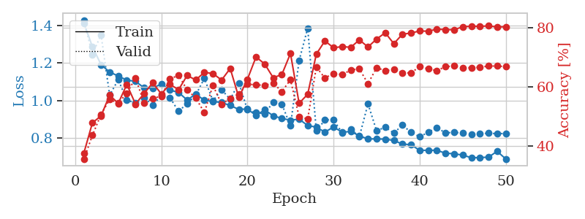
1.2562370418 | 1.2382084285 | 0.47337962963 | 0.43159922929 | 1.2786569595 | 47.337962963 | 43.159922929
1.2263156875 | 1.2210062588 | 0.5162037037 | 0.4527938343 | 1.2658507824 | 51.62037037 | 45.27938343
1.2104570005 | 1.1882762674 | 0.49305555556 | 0.49325626204 | 1.2378435135 | 49.305555556 | 49.325626204
1.1784615186 | 1.0866965137 | 0.53665123457 | 0.52986512524 | 1.2852237225 | 53.665123457 | 52.986512524
1.1501708167 | 1.1320033788 | 0.5675154321 | 0.46820809249 | 1.2620899677 | 56.75154321 | 46.820809249
1.1247338984 | 1.3976168366 | 0.44830246914 | 0.46820809249 | 1.2922542095 | 44.830246914 | 46.820809249
1.134321371 | 1.0437087549 | 0.59760802469 | 0.58188824663 | 1.292807579 | 59.760802469 | 58.188824663
1.106049814 | 1.0547004858 | 0.58796296296 | 0.55684007707 | 1.2974021435 | 58.796296296 | 55.684007707
1.099604206 | 1.0465194536 | 0.58912037037 | 0.55298651252 | 1.3434691429 | 58.912037037 | 55.298651252
1.0748423997 | 0.97257025462 | 0.58796296296 | 0.60886319846 | 1.305157423 | 58.796296296 | 60.886319846
1.037242093 | 1.1887892377 | 0.5200617284 | 0.50096339114 | 1.2711367607 | 52.00617284 | 50.096339114
1.0433868028 | 1.0115944253 | 0.63194444444 | 0.58766859345 | 1.2838265896 | 63.194444444 | 58.766859345
1.0376438646 | 1.2841917109 | 0.47145061728 | 0.45086705202 | 1.3350343704 | 47.145061728 | 45.086705202
1.004043046 | 0.90577862534 | 0.6099537037 | 0.63198458574 | 1.3019914627 | 60.99537037 | 63.198458574
1.0006474209 | 1.1733976375 | 0.57060185185 | 0.48554913295 | 1.2665324211 | 57.060185185 | 48.554913295
1.0051677926 | 1.1374649365 | 0.56674382716 | 0.50674373796 | 1.31665802 | 56.674382716 | 50.674373796
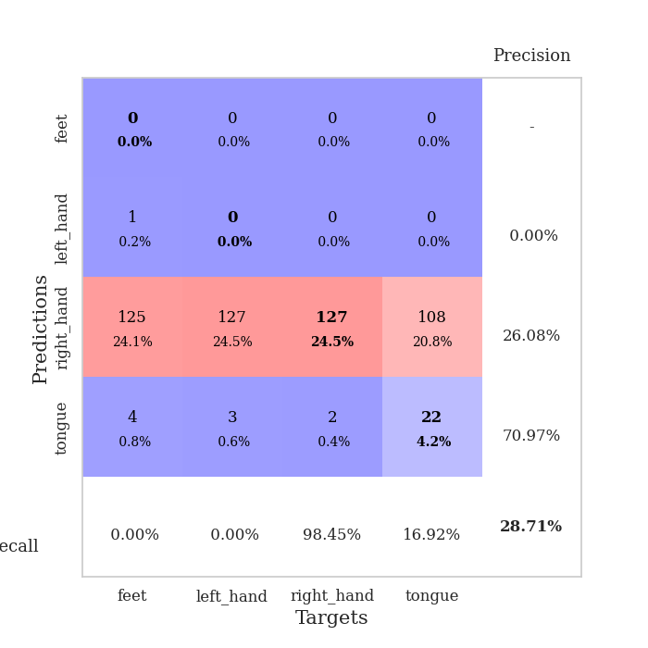
0.97700266742 | 0.92608627338 | 0.67554012346 | 0.66473988439 | 1.318562746 | 67.554012346 | 66.473988439
0.95792656971 | 1.0029892476 | 0.69984567901 | 0.56647398844 | 1.268222332 | 69.984567901 | 56.647398844
0.94306489292 | 0.94129989786 | 0.65972222222 | 0.60115606936 | 1.316049099 | 65.972222222 | 60.115606936
0.95229977038 | 0.9361259711 | 0.68942901235 | 0.64547206166 | 1.3043699265 | 68.942901235 | 64.547206166
0.93391778219 | 0.91446334847 | 0.62461419753 | 0.6204238921 | 1.3250684738 | 62.461419753 | 62.04238921
0.92986196261 | 0.8836596986 | 0.70061728395 | 0.64739884393 | 1.3112399578 | 70.061728395 | 64.739884393
0.90192210821 | 0.93614733081 | 0.66280864198 | 0.6493256262 | 1.3041827679 | 66.280864198 | 64.93256262
0.89248362312 | 0.94002148687 | 0.67862654321 | 0.6204238921 | 1.3416244984 | 67.862654321 | 62.04238921
0.86841803808 | 0.92626837775 | 0.72762345679 | 0.62427745665 | 1.2489645481 | 72.762345679 | 62.427745665
0.85856652757 | 1.2274369243 | 0.56635802469 | 0.50096339114 | 1.2929275036 | 56.635802469 | 50.096339114
0.85363671717 | 0.94308349094 | 0.76311728395 | 0.63391136802 | 1.2944347858 | 76.311728395 | 63.391136802
0.8385079297 | 0.96394113677 | 0.72453703704 | 0.59730250482 | 1.3414885998 | 72.453703704 | 59.730250482
0.8130816797 | 1.03250083 | 0.69598765432 | 0.57418111753 | 1.3113763332 | 69.598765432 | 57.418111753
0.82197222242 | 0.87290282883 | 0.75115740741 | 0.6493256262 | 1.2804610729 | 75.115740741 | 64.93256262
0.81338314767 | 0.87699018852 | 0.74266975309 | 0.6570327553 | 1.319463253 | 74.266975309 | 65.70327553
0.79484938563 | 0.82405490292 | 0.71990740741 | 0.66859344894 | 1.2847011089 | 71.990740741 | 66.859344894
0.77561933667 | 0.89348309601 | 0.7611882716 | 0.64161849711 | 1.3324570656 | 76.11882716 | 64.161849711
0.77404659895 | 0.85217534715 | 0.78858024691 | 0.6570327553 | 1.2814640999 | 78.858024691 | 65.70327553
0.74780020909 | 0.90221954747 | 0.77777777778 | 0.64161849711 | 1.298699379 | 77.777777778 | 64.161849711
0.75535798919 | 0.83953102935 | 0.75694444444 | 0.66666666667 | 1.116672039 | 75.694444444 | 66.666666667
0.74685401221 | 0.89116983653 | 0.79475308642 | 0.64547206166 | 1.6644644737 | 79.475308642 | 64.547206166
0.74054711892 | 0.86382432388 | 0.80169753086 | 0.67244701349 | 1.2529489994 | 80.169753086 | 67.244701349
0.73713603303 | 0.86938105038 | 0.81057098765 | 0.67052023121 | 1.2946698666 | 81.057098765 | 67.052023121
0.72058698388 | 0.86020408476 | 0.80787037037 | 0.66281310212 | 1.2920708656 | 80.787037037 | 66.281310212
0.7342145248 | 0.84508291651 | 0.80709876543 | 0.67052023121 | 1.3606882095 | 80.709876543 | 67.052023121
0.69304476402 | 0.85764770264 | 0.81597222222 | 0.66281310212 | 1.3349947929 | 81.597222222 | 66.281310212
0.72201825531 | 0.85289472376 | 0.81442901235 | 0.67437379576 | 1.2936842442 | 81.442901235 | 67.437379576
0.69700146402 | 0.84252977119 | 0.81905864198 | 0.68400770713 | 1.3139839172 | 81.905864198 | 68.400770713
0.69970745455 | 0.86293424944 | 0.81481481481 | 0.6570327553 | 1.3095741272 | 81.481481481 | 65.70327553
0.68827893024 | 0.85708915613 | 0.81558641975 | 0.66473988439 | 1.3252091408 | 81.558641975 | 66.473988439
0.68719581248 | 0.85720304602 | 0.81520061728 | 0.66666666667 | 1.3267719746 | 81.520061728 | 66.666666667
0.69052587321 | 0.85599586132 | 0.81828703704 | 0.66666666667 | 1.3103544712 | 81.828703704 | 66.666666667

Best Val accuracy is 0.6840077071290944 and Best test accuracy is 0.5832127351664255

Sheet2
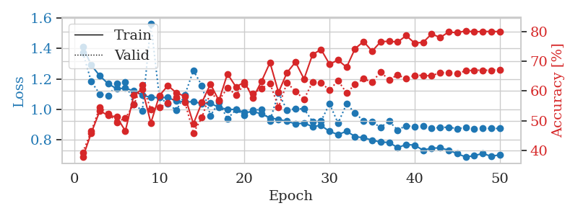
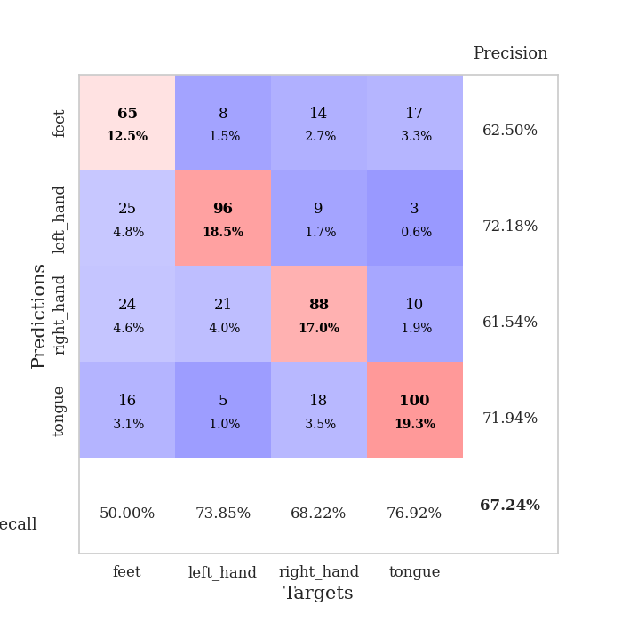
train_loss | valid_loss | train_accuracy | valid_accuracy | dur | train_misclass | valid_misclass
1.4070683026 | 1.3767167758 | 0.40354938272 | 0.34682080925 | 1.325864315 | 40.354938272 | 34.682080925
1.280213799 | 1.1894533639 | 0.48070987654 | 0.50867052023 | 1.2769467831 | 48.070987654 | 50.867052023
1.2053448657 | 1.1015547304 | 0.55362654321 | 0.52986512524 | 1.3112020493 | 55.362654321 | 52.986512524
1.1744764495 | 1.0248480438 | 0.54591049383 | 0.56262042389 | 1.2838866711 | 54.591049383 | 56.262042389
1.1452664354 | 1.1227115557 | 0.50038580247 | 0.56840077071 | 1.3893084526 | 50.038580247 | 56.840077071
1.1322775557 | 1.301786786 | 0.49305555556 | 0.45472061657 | 1.270070076 | 49.305555556 | 45.472061657
1.1213952616 | 1.0868750611 | 0.58140432099 | 0.53949903661 | 1.299197197 | 58.140432099 | 53.949903661
1.0890404023 | 1.0506200398 | 0.50077160494 | 0.52986512524 | 1.28023839 | 50.077160494 | 52.986512524
1.0754088564 | 0.95824916514 | 0.60069444444 | 0.60308285164 | 1.284525156 | 60.069444444 | 60.308285164
1.0622081367 | 1.0279028891 | 0.52160493827 | 0.56454720617 | 1.2760214806 | 52.160493827 | 56.454720617
1.0390213945 | 1.2587562686 | 0.48070987654 | 0.53179190751 | 1.2308452129 | 48.070987654 | 53.179190751
1.0418064226 | 1.9081565369 | 0.37345679012 | 0.36030828516 | 1.266176939 | 37.345679012 | 36.030828516
1.0247278795 | 1.0048683533 | 0.54591049383 | 0.5549132948 | 1.2229046822 | 54.591049383 | 55.49132948
1.0141148828 | 0.92621304948 | 0.64197530864 | 0.62235067437 | 1.2340044975 | 64.197530864 | 62.235067437
0.99640710817 | 0.93707954711 | 0.6037808642 | 0.64547206166 | 1.2448954582 | 60.37808642 | 64.547206166
1.0019476425 | 1.0541929859 | 0.51851851852 | 0.59344894027 | 2.1613719463 | 51.851851852 | 59.344894027
1.0003410438 | 0.93200659637 | 0.65856481481 | 0.61464354528 | 2.333265543 | 65.856481481 | 61.464354528
0.96263188179 | 1.0023653114 | 0.63194444444 | 0.54913294798 | 2.3222241402 | 63.194444444 | 54.913294798
0.9580462965 | 0.86522823503 | 0.66782407407 | 0.63583815029 | 2.3008105755 | 66.782407407 | 63.583815029
0.95201929631 | 0.92099749939 | 0.6763117284 | 0.62813102119 | 2.2741935253 | 67.63117284 | 62.813102119
0.9517256899 | 0.90551822333 | 0.66358024691 | 0.64739884393 | 1.6152377129 | 66.358024691 | 64.739884393
0.95017861547 | 0.98767802584 | 0.64081790123 | 0.64354527938 | 2.3405194283 | 64.081790123 | 64.354527938
0.92460100776 | 0.95729171162 | 0.64274691358 | 0.60308285164 | 2.3678312302 | 64.274691358 | 60.308285164
0.91567286499 | 0.93587322915 | 0.69097222222 | 0.64161849711 | 2.335901022 | 69.097222222 | 64.161849711
0.8980076979 | 1.1133784696 | 0.63040123457 | 0.59730250482 | 2.2571799755 | 63.040123457 | 59.730250482
0.90732619406 | 0.90573028574 | 0.68634259259 | 0.63583815029 | 1.9684906006 | 68.634259259 | 63.583815029
0.89691167959 | 1.0272069679 | 0.5987654321 | 0.56454720617 | 2.3754541874 | 59.87654321 | 56.454720617
0.87490231939 | 0.92454144031 | 0.72106481481 | 0.63776493256 | 2.355145216 | 72.106481481 | 63.776493256
0.88712306229 | 0.9160914436 | 0.66859567901 | 0.6570327553 | 2.3667838573 | 66.859567901 | 65.70327553
0.85737413517 | 1.0064244053 | 0.70563271605 | 0.61271676301 | 2.3376152515 | 70.563271605 | 61.271676301
0.84359715474 | 1.0774345818 | 0.65702160494 | 0.55876685934 | 1.6602683067 | 65.702160494 | 55.876685934
0.8489593904 | 0.9121271551 | 0.74922839506 | 0.64161849711 | 2.3607838154 | 74.922839506 | 64.161849711
0.81182153026 | 0.88270683693 | 0.77276234568 | 0.63198458574 | 2.3805084229 | 77.276234568 | 63.198458574
0.84548859795 | 0.91345210066 | 0.74729938272 | 0.64161849711 | 2.3756313324 | 74.729938272 | 64.161849711
0.80691356258 | 0.91354917733 | 0.73109567901 | 0.63005780347 | 2.2731063366 | 73.109567901 | 63.005780347
0.79219425332 | 0.93307024275 | 0.73109567901 | 0.61849710983 | 1.8904087543 | 73.109567901 | 61.849710983
0.79653482323 | 0.88726061996 | 0.76890432099 | 0.64547206166 | 2.3696177006 | 76.890432099 | 64.547206166
0.76453647312 | 0.95992672374 | 0.7611882716 | 0.63005780347 | 2.3632707596 | 76.11882716 | 63.005780347
0.75476724811 | 0.96185050695 | 0.75038580247 | 0.61657032755 | 2.3662314415 | 75.038580247 | 61.657032755
0.75222040409 | 0.92995314412 | 0.76890432099 | 0.65125240848 | 2.3077976704 | 76.890432099 | 65.125240848
0.76221916429 | 0.93789739634 | 0.78896604938 | 0.63005780347 | 2.0351924896 | 78.896604938 | 63.005780347
0.74631347222 | 0.9154085185 | 0.78317901235 | 0.64739884393 | 2.3521630764 | 78.317901235 | 64.739884393
0.73748478772 | 0.92882705412 | 0.78935185185 | 0.62427745665 | 2.3636870384 | 78.935185185 | 62.427745665
0.73067016771 | 0.92630426996 | 0.79513888889 | 0.62620423892 | 2.3912916183 | 79.513888889 | 62.620423892
0.73713100582 | 0.92183473195 | 0.79591049383 | 0.63198458574 | 2.4284861088 | 79.591049383 | 63.198458574
0.7460480165 | 0.92086456254 | 0.79591049383 | 0.63583815029 | 1.8409330845 | 79.591049383 | 63.583815029
0.72038031268 | 0.9188023159 | 0.80092592593 | 0.63969171484 | 2.4372882843 | 80.092592593 | 63.969171484
0.70782499126 | 0.91574384309 | 0.79976851852 | 0.63969171484 | 2.4341981411 | 79.976851852 | 63.969171484
0.73056916561 | 0.91843007594 | 0.7962962963 | 0.63391136802 | 2.4085726738 | 79.62962963 | 63.391136802
0.73216098069 | 0.91777218433 | 0.79706790123 | 0.63776493256 | 3.4927718639 | 79.706790123 | 63.776493256

Best Val accuracy is 0.6570327552986512 and Best test accuracy is 0.34635793535938253
train_loss | valid_loss | train_accuracy | valid_accuracy | dur | train_misclass | valid_misclass
1.4106936043 | 1.3726803795 | 0.37615740741 | 0.39306358382 | 1.2934787273 | 37.615740741 | 39.306358382
1.290227808 | 1.1815367831 | 0.4587191358 | 0.46435452794 | 1.3449990749 | 45.87191358 | 46.435452794
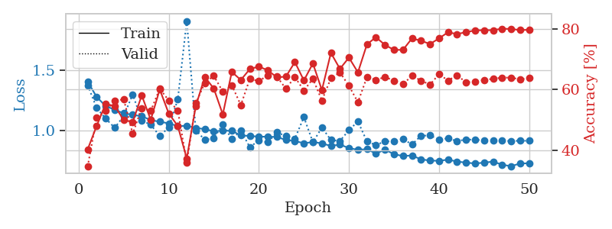
1.219591817 | 1.1001063778 | 0.53317901235 | 0.54527938343 | 1.3384468555 | 53.317901235 | 54.527938343
1.1674858674 | 1.0877580916 | 0.51736111111 | 0.52408477842 | 1.3042886257 | 51.736111111 | 52.408477842
1.1354086392 | 1.1679392758 | 0.51273148148 | 0.49518304432 | 1.2738063335 | 51.273148148 | 49.518304432
1.1394055784 | 1.1798626623 | 0.46489197531 | 0.50867052023 | 1.289056778 | 46.489197531 | 50.867052023
1.1201421721 | 1.0322088322 | 0.58603395062 | 0.5549132948 | 1.2855119705 | 58.603395062 | 55.49132948
1.0947905069 | 0.99248268368 | 0.60648148148 | 0.6204238921 | 1.2601153851 | 60.648148148 | 62.04238921
1.077597496 | 1.5615371462 | 0.49228395062 | 0.53757225434 | 1.2659151554 | 49.228395062 | 53.757225434
1.0779763199 | 1.0799129554 | 0.58449074074 | 0.54527938343 | 1.2577784061 | 58.449074074 | 54.527938343
1.0777032879 | 1.0352959592 | 0.61844135802 | 0.55876685934 | 1.2732853889 | 61.844135802 | 55.876685934
1.0545224959 | 0.99420625121 | 0.59413580247 | 0.57996146435 | 1.3091900349 | 59.413580247 | 57.996146435
1.0504161377 | 1.0955638683 | 0.58217592593 | 0.56262042389 | 1.299169302 | 58.217592593 | 56.262042389
1.0495794758 | 1.2548785506 | 0.48958333333 | 0.45857418112 | 1.295309782 | 48.958333333 | 45.857418112
1.0386573577 | 1.1555858292 | 0.56134259259 | 0.5105973025 | 1.2832479477 | 56.134259259 | 51.05973025
1.0400925113 | 0.95920621843 | 0.62384259259 | 0.59537572254 | 1.2678062916 | 62.384259259 | 59.537572254
1.0132679207 | 1.0457940191 | 0.5675154321 | 0.56840077071 | 1.3357851505 | 56.75154321 | 56.840077071
0.99990976593 | 0.93749587821 | 0.65817901235 | 0.61078998073 | 1.312693119 | 65.817901235 | 61.078998073
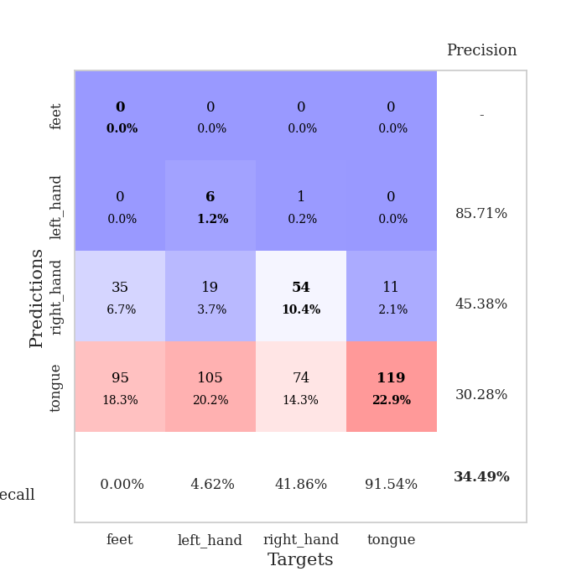
0.99990158464 | 0.99856775367 | 0.61419753086 | 0.58766859345 | 1.3051352501 | 61.419753086 | 58.766859345
0.97945750201 | 0.96264349656 | 0.63040123457 | 0.62235067437 | 1.3064243793 | 63.040123457 | 62.235067437
0.98563342036 | 0.99613713001 | 0.57677469136 | 0.591522158 | 1.2687540054 | 57.677469136 | 59.1522158
0.97080307298 | 0.99878693178 | 0.63271604938 | 0.60886319846 | 1.283765316 | 63.271604938 | 60.886319846
0.94337654555 | 0.92634046399 | 0.69637345679 | 0.62620423892 | 1.2774715424 | 69.637345679 | 62.620423892
0.9349849305 | 1.1077707324 | 0.59567901235 | 0.54527938343 | 1.2576303482 | 59.567901235 | 54.527938343
0.92190174795 | 0.99513813595 | 0.66242283951 | 0.62813102119 | 1.2614657879 | 66.242283951 | 62.813102119
0.90548865681 | 1.0047673805 | 0.69791666667 | 0.59922928709 | 1.2776560783 | 69.791666667 | 59.922928709
0.90905708075 | 1.0027930201 | 0.64081790123 | 0.57225433526 | 1.3364636898 | 64.081790123 | 57.225433526
0.88825727778 | 0.92161822457 | 0.72337962963 | 0.63005780347 | 1.2669994831 | 72.337962963 | 63.005780347
0.89398851236 | 0.92254519279 | 0.74074074074 | 0.62813102119 | 1.2552149296 | 74.074074074 | 62.813102119
0.85573575747 | 1.0374441293 | 0.69097222222 | 0.60308285164 | 1.3277394772 | 69.097222222 | 60.308285164
0.83468895746 | 0.90957532407 | 0.70486111111 | 0.63583815029 | 1.3368506432 | 70.486111111 | 63.583815029
0.85682856558 | 1.0355474958 | 0.68055555556 | 0.59344894027 | 1.3377218246 | 68.055555556 | 59.344894027
0.82231763447 | 0.97700465208 | 0.74344135802 | 0.62235067437 | 1.2925872803 | 74.344135802 | 62.235067437
0.81324380287 | 0.92334779908 | 0.76736111111 | 0.64161849711 | 1.3414194584 | 76.736111111 | 64.161849711
0.79890484225 | 0.91703803783 | 0.7349537037 | 0.63005780347 | 1.2871379852 | 73.49537037 | 63.005780347
0.78511787877 | 0.88267026242 | 0.7662037037 | 0.66473988439 | 1.2903082371 | 76.62037037 | 66.473988439
0.78371469069 | 0.92240086571 | 0.76890432099 | 0.63776493256 | 1.2800209522 | 76.890432099 | 63.776493256
0.74901368552 | 0.86494143115 | 0.76543209877 | 0.65510597303 | 1.3702516556 | 76.543209877 | 65.510597303
0.76967305883 | 0.89289819069 | 0.78742283951 | 0.64161849711 | 1.517375946 | 78.742283951 | 64.161849711
0.76567747232 | 0.88696993615 | 0.76234567901 | 0.65317919075 | 1.2950129509 | 76.234567901 | 65.317919075
0.73182349165 | 0.89215450135 | 0.76466049383 | 0.65317919075 | 1.2984600067 | 76.466049383 | 65.317919075
0.74641877542 | 0.87680530249 | 0.79320987654 | 0.65125240848 | 1.2914156914 | 79.320987654 | 65.125240848
0.74705311122 | 0.88117887473 | 0.78086419753 | 0.66281310212 | 1.3155007362 | 78.086419753 | 66.281310212
0.73281815814 | 0.88348314918 | 0.79976851852 | 0.66088631985 | 1.3066313267 | 79.976851852 | 66.088631985
0.70969409744 | 0.87343842584 | 0.79706790123 | 0.65895953757 | 1.3242230415 | 79.706790123 | 65.895953757
0.68802137121 | 0.88158856421 | 0.80362654321 | 0.66859344894 | 1.3217926025 | 80.362654321 | 66.859344894
0.6962416941 | 0.87327183395 | 0.80015432099 | 0.67052023121 | 1.2938334942 | 80.015432099 | 67.052023121
0.71150105677 | 0.87606509136 | 0.80169753086 | 0.67052023121 | 1.3307423592 | 80.169753086 | 67.052023121
0.69206827934 | 0.87494974123 | 0.8013117284 | 0.67052023121 | 1.2806894779 | 80.13117284 | 67.052023121
0.70238524307 | 0.87500636725 | 0.8013117284 | 0.67244701349 | 1.3091330528 | 80.13117284 | 67.244701349

Best Val accuracy is 0.6724470134874759 and Best test accuracy is 0.5933429811866859

Sheet3
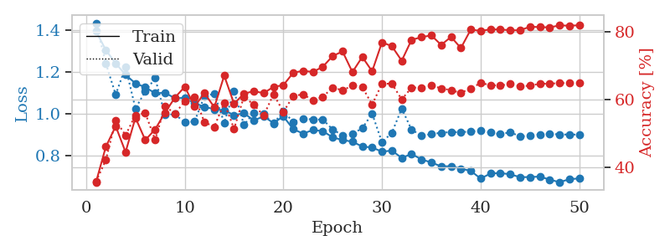
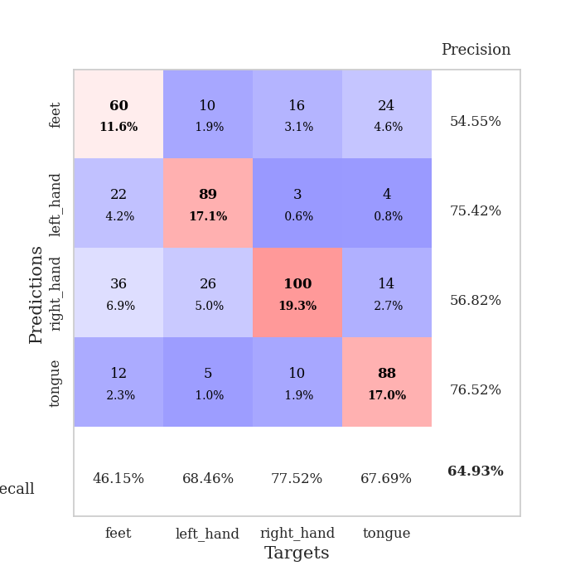
train_loss | valid_loss | train_accuracy | valid_accuracy | dur | train_misclass | valid_misclass
1.4148088936 | 1.5690569244 | 0.32831790123 | 0.30250481696 | 3.4837961197 | 32.831790123 | 30.250481696
1.3421300407 | 1.2861009496 | 0.43634259259 | 0.37572254335 | 3.4932584763 | 43.634259259 | 37.572254335
1.2693071538 | 1.2102679072 | 0.49845679012 | 0.44701348748 | 3.3544287682 | 49.845679012 | 44.701348748
1.1972716326 | 1.1678292565 | 0.48919753086 | 0.45857418112 | 2.5619614124 | 48.919753086 | 45.857418112
1.1671627219 | 1.0359346817 | 0.56172839506 | 0.56454720617 | 2.9716231823 | 56.172839506 | 56.454720617
1.1649439821 | 1.03976298 | 0.55787037037 | 0.54913294798 | 3.6456739902 | 55.787037037 | 54.913294798
1.1218127785 | 0.98415673399 | 0.56597222222 | 0.58766859345 | 3.585013628 | 56.597222222 | 58.766859345
1.0904683839 | 1.0602600324 | 0.56905864198 | 0.52793834297 | 3.5119194984 | 56.905864198 | 52.793834297
1.083158514 | 0.99442881128 | 0.60455246914 | 0.59537572254 | 2.9656291008 | 60.455246914 | 59.537572254
1.0503418137 | 0.95728452886 | 0.6099537037 | 0.60886319846 | 2.9432137012 | 60.99537037 | 60.886319846
1.0758007662 | 0.97686256655 | 0.58950617284 | 0.5838150289 | 3.6333425045 | 58.950617284 | 58.38150289
1.0457360384 | 0.89226114382 | 0.62538580247 | 0.62813102119 | 3.631071806 | 62.538580247 | 62.813102119
1.0387138706 | 1.1838399581 | 0.53163580247 | 0.47206165703 | 3.5410575867 | 53.163580247 | 47.206165703
1.0099619303 | 1.1350873502 | 0.56327160494 | 0.53757225434 | 3.9813570976 | 56.327160494 | 53.757225434
1.0343061704 | 1.0002054713 | 0.63580246914 | 0.57803468208 | 3.9963924885 | 63.580246914 | 57.803468208
1.0179685198 | 0.97732775048 | 0.60185185185 | 0.6204238921 | 4.7228615284 | 60.185185185 | 62.04238921
0.99600117479 | 1.1307722691 | 0.48070987654 | 0.53949903661 | 4.4141654968 | 48.070987654 | 53.949903661
0.96094935948 | 0.92141286325 | 0.65779320988 | 0.60886319846 | 3.8962409496 | 65.779320988 | 60.886319846
0.97616738191 | 0.92725909193 | 0.6087962963 | 0.60500963391 | 3.8394453526 | 60.87962963 | 60.500963391
0.94286155296 | 0.90502082383 | 0.65316358025 | 0.63005780347 | 3.839735508 | 65.316358025 | 63.005780347
0.95490840629 | 0.83428158546 | 0.66512345679 | 0.67052023121 | 4.7086715698 | 66.512345679 | 67.052023121
0.93119251379 | 0.90332679023 | 0.66203703704 | 0.61849710983 | 4.5640072823 | 66.203703704 | 61.849710983
0.91479488287 | 0.929470649 | 0.68518518519 | 0.66281310212 | 3.972086668 | 68.518518519 | 66.281310212
0.92749702746 | 0.90094187482 | 0.69521604938 | 0.64547206166 | 3.9191741943 | 69.521604938 | 64.547206166
0.90399975817 | 0.85706680887 | 0.71836419753 | 0.67052023121 | 3.9926843643 | 71.836419753 | 67.052023121
0.88298267549 | 0.87677958832 | 0.67824074074 | 0.67052023121 | 4.6966097355 | 67.824074074 | 67.052023121
0.88843309438 | 0.85512754246 | 0.70833333333 | 0.66666666667 | 4.6352000237 | 70.833333333 | 66.666666667
0.87095779935 | 0.89987857264 | 0.7025462963 | 0.65317919075 | 3.9177610874 | 70.25462963 | 65.317919075
0.83695727164 | 0.82240173961 | 0.7399691358 | 0.6859344894 | 4.4347589016 | 73.99691358 | 68.59344894
0.82966826967 | 0.81839016591 | 0.72067901235 | 0.69556840077 | 4.2415435314 | 72.067901235 | 69.556840077
0.82213175959 | 0.81130911619 | 0.7299382716 | 0.67630057803 | 4.6955361366 | 72.99382716 | 67.630057803
0.79511438972 | 0.82510327925 | 0.75810185185 | 0.6859344894 | 4.6988415718 | 75.810185185 | 68.59344894
0.79103262171 | 0.77276474823 | 0.7712191358 | 0.71290944123 | 4.111467123 | 77.12191358 | 71.290944123
0.78173730403 | 0.82551256081 | 0.76427469136 | 0.68208092486 | 4.6932473183 | 76.427469136 | 68.208092486
0.76592083901 | 0.85624441108 | 0.73804012346 | 0.67822736031 | 4.4289913177 | 73.804012346 | 67.822736031
0.76301240976 | 0.81635958565 | 0.7600308642 | 0.69171483622 | 4.6932644844 | 76.00308642 | 69.171483622
0.76166846999 | 0.81942640679 | 0.77970679012 | 0.68208092486 | 4.643802166 | 77.970679012 | 68.208092486
0.72601402882 | 0.80477032978 | 0.77507716049 | 0.67822736031 | 4.3476188183 | 77.507716049 | 67.822736031
0.72867158718 | 0.79165681467 | 0.78086419753 | 0.68978805395 | 4.6917059422 | 78.086419753 | 68.978805395
0.73052983317 | 0.80262357881 | 0.77970679012 | 0.67437379576 | 4.6763935089 | 77.970679012 | 67.437379576
0.73928058718 | 0.77036722536 | 0.80594135802 | 0.70712909441 | 4.6751127243 | 80.594135802 | 70.712909441
0.70349074698 | 0.82462267403 | 0.78433641975 | 0.68208092486 | 4.5667715073 | 78.433641975 | 68.208092486
0.72273675711 | 0.79418415026 | 0.81172839506 | 0.69942196532 | 4.3212144375 | 81.172839506 | 69.942196532
0.68242326839 | 0.78831389989 | 0.81597222222 | 0.70905587669 | 4.5453250408 | 81.597222222 | 70.905587669
0.68269800588 | 0.80477940393 | 0.81288580247 | 0.69749518304 | 4.6825377941 | 81.288580247 | 69.749518304
0.67780071911 | 0.78426999669 | 0.8175154321 | 0.70905587669 | 4.6679563522 | 81.75154321 | 70.905587669
0.69507004808 | 0.78808168341 | 0.81674382716 | 0.71098265896 | 4.5537307262 | 81.674382716 | 71.098265896
0.68933588432 | 0.7914426963 | 0.82060185185 | 0.70712909441 | 3.888171196 | 82.060185185 | 70.712909441
0.68462172666 | 0.79167649971 | 0.82098765432 | 0.70712909441 | 4.4078009129 | 82.098765432 | 70.712909441
0.68575256861 | 0.78998631985 | 0.82098765432 | 0.71290944123 | 4.7032079697 | 82.098765432 | 71.290944123

Best Val accuracy is 0.7129094412331407 and Best test accuracy is 0.26483357452966716
train_loss | valid_loss | train_accuracy | valid_accuracy | dur | train_misclass | valid_misclass
1.3932248155 | 1.4323535967 | 0.35648148148 | 0.35838150289 | 1.3111958504 | 35.648148148 | 35.838150289
1.3034863104 | 1.2396834968 | 0.46141975309 | 0.42196531792 | 1.2494392395 | 46.141975309 | 42.196531792
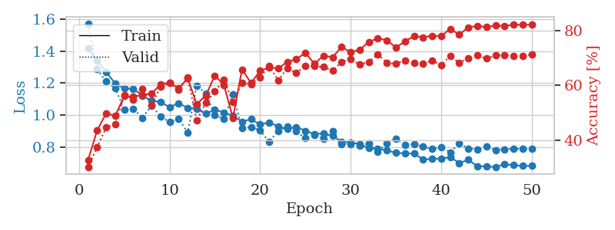
1.240078372 | 1.0910532442 | 0.52199074074 | 0.53949903661 | 1.2970571518 | 52.199074074 | 53.949903661
1.1858173693 | 1.2233608617 | 0.44560185185 | 0.49518304432 | 1.3397467136 | 44.560185185 | 49.518304432
1.1447456394 | 1.0252123546 | 0.54706790123 | 0.5549132948 | 1.342897892 | 54.706790123 | 55.49132948
1.1265774763 | 1.1066613255 | 0.48109567901 | 0.56069364162 | 1.2684345245 | 48.109567901 | 56.069364162
1.097715543 | 1.1694146268 | 0.51273148148 | 0.4816955684 | 1.2318203449 | 51.273148148 | 48.16955684
1.1003673654 | 0.99415917674 | 0.56211419753 | 0.58188824663 | 1.2448666096 | 56.211419753 | 58.188824663
1.0738693792 | 0.99799361142 | 0.60609567901 | 0.55876685934 | 1.2846608162 | 60.609567901 | 55.876685934
1.0758697512 | 0.95872526293 | 0.63850308642 | 0.59537572254 | 1.2460532188 | 63.850308642 | 59.537572254
1.0505111081 | 0.96379945492 | 0.58063271605 | 0.60886319846 | 1.2969968319 | 58.063271605 | 60.886319846
1.0331825912 | 1.08387838 | 0.61959876543 | 0.53371868979 | 1.2982561588 | 61.959876543 | 53.371868979
1.0215579632 | 1.0954319211 | 0.57793209877 | 0.52023121387 | 1.2840178013 | 57.793209877 | 52.023121387
1.0168251701 | 0.9576400941 | 0.6712962963 | 0.591522158 | 1.2952787876 | 67.12962963 | 59.1522158
0.99349499669 | 1.1081330439 | 0.58834876543 | 0.51445086705 | 1.2981154919 | 58.834876543 | 51.445086705
1.0026515097 | 0.94703547102 | 0.61805555556 | 0.60886319846 | 1.273496151 | 61.805555556 | 60.886319846
0.96865565799 | 1.0032055686 | 0.62538580247 | 0.58574181118 | 1.3186349869 | 62.538580247 | 58.574181118
0.98744988901 | 0.99881960064 | 0.61959876543 | 0.55298651252 | 1.2494063377 | 61.959876543 | 55.298651252
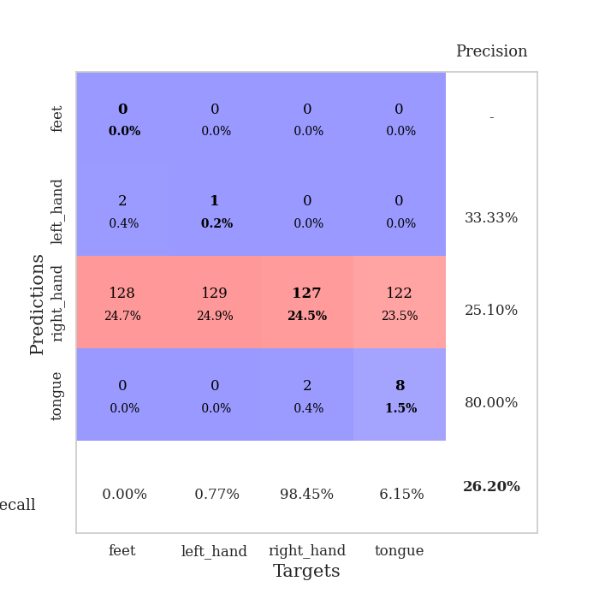
0.9559247961 | 0.95259645874 | 0.63811728395 | 0.61657032755 | 1.2748782635 | 63.811728395 | 61.657032755
0.98762648893 | 1.0129299363 | 0.64313271605 | 0.56454720617 | 1.2623209953 | 64.313271605 | 56.454720617
0.92665049452 | 0.96042448397 | 0.67978395062 | 0.61078998073 | 1.2807741165 | 67.978395062 | 61.078998073
0.90573724405 | 0.97716918352 | 0.68557098765 | 0.61657032755 | 1.2420909405 | 68.557098765 | 61.657032755
0.92267874821 | 0.97273220998 | 0.68209876543 | 0.59730250482 | 1.2571394444 | 68.209876543 | 59.730250482
0.91730462898 | 0.97271173768 | 0.6975308642 | 0.60886319846 | 1.260137558 | 69.75308642 | 60.886319846
0.8877517684 | 0.92507715331 | 0.72916666667 | 0.63583815029 | 1.2519314289 | 72.916666667 | 63.583815029
0.87498319112 | 0.89741299538 | 0.74266975309 | 0.62813102119 | 1.2995443344 | 74.266975309 | 62.813102119
0.86716252455 | 0.90461863351 | 0.68171296296 | 0.64161849711 | 1.2888252735 | 68.171296296 | 64.161849711
0.84400996308 | 0.93100218438 | 0.72646604938 | 0.63776493256 | 1.2986102104 | 72.646604938 | 63.776493256
0.83949080827 | 1.0008573176 | 0.68402777778 | 0.58574181118 | 1.2826817036 | 68.402777778 | 58.574181118
0.81937766149 | 0.8643449004 | 0.76967592593 | 0.64739884393 | 1.2940905094 | 76.967592593 | 64.739884393
0.82490230159 | 0.9095190961 | 0.75810185185 | 0.64739884393 | 1.2717301846 | 75.810185185 | 64.739884393
0.78972938087 | 1.0251435804 | 0.71527777778 | 0.60115606936 | 1.2481575012 | 71.527777778 | 60.115606936
0.80884359041 | 0.92398582924 | 0.77700617284 | 0.63583815029 | 1.2637736797 | 77.700617284 | 63.583815029
0.78240374522 | 0.896513665 | 0.78472222222 | 0.63583815029 | 1.286396265 | 78.472222222 | 63.583815029
0.76827359816 | 0.90264879761 | 0.79012345679 | 0.64161849711 | 1.2983782291 | 79.012345679 | 64.161849711
0.74922733837 | 0.91007647923 | 0.76195987654 | 0.63391136802 | 1.2843921185 | 76.195987654 | 63.391136802
0.75029957828 | 0.91262953578 | 0.78549382716 | 0.62813102119 | 1.3390226364 | 78.549382716 | 62.813102119
0.73841539283 | 0.91239776696 | 0.75270061728 | 0.6204238921 | 1.4302799702 | 75.270061728 | 62.04238921
0.72800480068 | 0.91567074357 | 0.80709876543 | 0.63391136802 | 1.544198513 | 80.709876543 | 63.391136802
0.69128952387 | 0.91982688196 | 0.80324074074 | 0.6493256262 | 1.1918478012 | 80.324074074 | 64.93256262
0.7155299286 | 0.91098982762 | 0.80787037037 | 0.64354527938 | 1.2084054947 | 80.787037037 | 64.354527938
0.71764890408 | 0.90244029597 | 0.8074845679 | 0.64161849711 | 1.2627077103 | 80.74845679 | 64.161849711
0.71171210412 | 0.91219237843 | 0.80516975309 | 0.64739884393 | 1.275062561 | 80.516975309 | 64.739884393
0.69804963138 | 0.89221296076 | 0.80516975309 | 0.63969171484 | 1.2950844765 | 80.516975309 | 63.969171484
0.69864802246 | 0.89553038785 | 0.81558641975 | 0.64161849711 | 1.3095571995 | 81.558641975 | 64.161849711
0.70085073244 | 0.90209883141 | 0.81442901235 | 0.64739884393 | 1.3318548203 | 81.442901235 | 64.739884393
0.68642485638 | 0.90424144819 | 0.81365740741 | 0.64739884393 | 1.2748627663 | 81.365740741 | 64.739884393
0.67417931318 | 0.90193497767 | 0.81944444444 | 0.6493256262 | 1.2786295414 | 81.944444444 | 64.93256262
0.68843411222 | 0.90089212401 | 0.81867283951 | 0.6493256262 | 1.2802908421 | 81.867283951 | 64.93256262
0.69211375364 | 0.90113624442 | 0.81983024691 | 0.6493256262 | 1.3000781536 | 81.983024691 | 64.93256262

Best Val accuracy is 0.649325626204239 and Best test accuracy is 0.5981669078630005

Sheet4
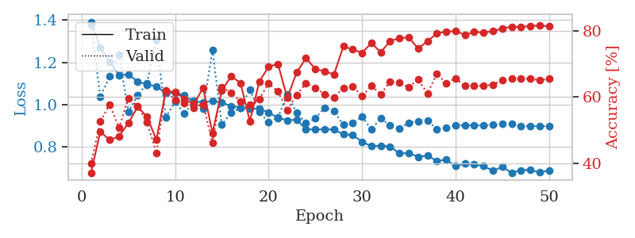
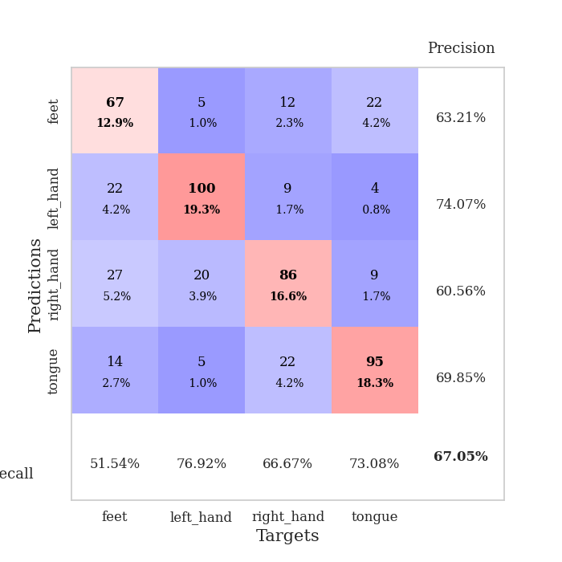
train_loss | valid_loss | train_accuracy | valid_accuracy | dur | train_misclass | valid_misclass
1.4024509464 | 1.2821669914 | 0.40895061728 | 0.39691714836 | 4.5285007954 | 40.895061728 | 39.691714836
1.28790085 | 1.1258806022 | 0.47183641975 | 0.54913294798 | 3.9804251194 | 47.183641975 | 54.913294798
1.1943308954 | 1.1567542494 | 0.48148148148 | 0.53949903661 | 4.2392921448 | 48.148148148 | 53.949903661
1.1603665613 | 1.1679761738 | 0.54475308642 | 0.49325626204 | 4.1295611858 | 54.475308642 | 49.325626204
1.1280859937 | 0.96289305122 | 0.57214506173 | 0.60308285164 | 4.6813492775 | 57.214506173 | 60.308285164
1.1181995291 | 0.98208271584 | 0.60570987654 | 0.59730250482 | 4.3023397923 | 60.570987654 | 59.730250482
1.086777963 | 0.9336612599 | 0.61342592593 | 0.60308285164 | 3.5859479904 | 61.342592593 | 60.308285164
1.0864761233 | 1.0308414374 | 0.58410493827 | 0.56647398844 | 4.1835534573 | 58.410493827 | 56.647398844
1.0621698256 | 0.91543261784 | 0.63078703704 | 0.62427745665 | 3.9562530518 | 63.078703704 | 62.427745665
1.0661717065 | 0.95755629319 | 0.61882716049 | 0.58766859345 | 4.4556899071 | 61.882716049 | 58.766859345
1.0730755141 | 0.94432136939 | 0.63425925926 | 0.61464354528 | 4.3109009266 | 63.425925926 | 61.464354528
1.0163078113 | 0.90973170885 | 0.65007716049 | 0.63198458574 | 3.7231183052 | 65.007716049 | 63.198458574
1.0206047756 | 0.9292129501 | 0.64351851852 | 0.63391136802 | 4.4456768036 | 64.351851852 | 63.391136802
1.0280121867 | 0.92792193049 | 0.63580246914 | 0.59922928709 | 4.3377466202 | 63.580246914 | 59.922928709
1.0055357909 | 1.0223664266 | 0.60956790123 | 0.57032755299 | 4.4413394928 | 60.956790123 | 57.032755299
1.0252861314 | 0.88389348685 | 0.65316358025 | 0.63198458574 | 4.3222675323 | 65.316358025 | 63.198458574
1.0131232352 | 0.98129860905 | 0.63927469136 | 0.6204238921 | 3.3507246971 | 63.927469136 | 62.04238921
0.97685373381 | 0.91421906016 | 0.66550925926 | 0.64547206166 | 4.3154847622 | 66.550925926 | 64.547206166
0.98904765535 | 0.90367973264 | 0.66859567901 | 0.60886319846 | 4.3017046452 | 66.859567901 | 60.886319846
0.9759554576 | 0.88534184699 | 0.68364197531 | 0.62427745665 | 4.3042235374 | 68.364197531 | 62.427745665
0.93690666188 | 0.92146525045 | 0.6674382716 | 0.62813102119 | 3.5778105259 | 66.74382716 | 62.813102119
0.94753079355 | 0.88920819438 | 0.68904320988 | 0.63583815029 | 2.9124481678 | 68.904320988 | 63.583815029
0.9488945206 | 0.94452627982 | 0.67322530864 | 0.62813102119 | 3.1493444443 | 67.322530864 | 62.813102119
0.91695844299 | 0.85952514536 | 0.68865740741 | 0.63776493256 | 3.142765522 | 68.865740741 | 63.776493256
0.91069993082 | 0.87859898197 | 0.68595679012 | 0.6493256262 | 3.1369645596 | 68.595679012 | 64.93256262
0.92674515314 | 0.9310625014 | 0.65277777778 | 0.5838150289 | 3.1123595238 | 65.277777778 | 58.38150289
0.88070929124 | 0.88936667704 | 0.67515432099 | 0.66088631985 | 2.9843606949 | 67.515432099 | 66.088631985
0.89416546936 | 0.90747386562 | 0.6824845679 | 0.63391136802 | 2.9974880219 | 68.24845679 | 63.391136802
0.8594252894 | 0.86001286295 | 0.70717592593 | 0.63776493256 | 3.1341466904 | 70.717592593 | 63.776493256
0.87492769828 | 0.88937975848 | 0.73225308642 | 0.62813102119 | 3.1555995941 | 73.225308642 | 62.813102119
0.84099804877 | 1.0429795055 | 0.69483024691 | 0.56262042389 | 3.0146760941 | 69.483024691 | 56.262042389
0.82026831291 | 0.84842329425 | 0.71489197531 | 0.67630057803 | 2.229006052 | 71.489197531 | 67.630057803
0.82217965855 | 0.83626973491 | 0.73919753086 | 0.65125240848 | 2.6238279343 | 73.919753086 | 65.125240848
0.82088513948 | 0.82595993099 | 0.73109567901 | 0.66088631985 | 3.1467380524 | 73.109567901 | 66.088631985
0.81845194929 | 0.88893283505 | 0.76311728395 | 0.64547206166 | 1.9894208908 | 76.311728395 | 64.547206166
0.80618189128 | 0.87601171408 | 0.7600308642 | 0.6493256262 | 1.9151554108 | 76.00308642 | 64.93256262
0.7841820268 | 0.85280622108 | 0.76273148148 | 0.64547206166 | 1.9167928696 | 76.273148148 | 64.547206166
0.76771714106 | 0.82160711472 | 0.78240740741 | 0.68786127168 | 1.0098865032 | 78.240740741 | 68.786127168
0.75699060107 | 0.83656957522 | 0.77237654321 | 0.67244701349 | 1.0132644176 | 77.237654321 | 67.244701349
0.73582557672 | 0.8302125515 | 0.78510802469 | 0.6936416185 | 1.0400311947 | 78.510802469 | 69.36416185
0.75453998332 | 0.82286592187 | 0.7962962963 | 0.68208092486 | 1.0268249512 | 79.62962963 | 68.208092486
0.72926199896 | 0.81111092443 | 0.79668209877 | 0.6859344894 | 1.0098350048 | 79.668209877 | 68.59344894
0.7302541673 | 0.81438113832 | 0.79938271605 | 0.69171483622 | 1.0055882931 | 79.938271605 | 69.171483622
0.7246289726 | 0.82288428722 | 0.7912808642 | 0.66473988439 | 1.0289123058 | 79.12808642 | 66.473988439
0.72201910137 | 0.80947465738 | 0.79899691358 | 0.67437379576 | 1.0374028683 | 79.899691358 | 67.437379576
0.70887449678 | 0.82208304805 | 0.80169753086 | 0.67437379576 | 1.0078570843 | 80.169753086 | 67.437379576
0.70294321448 | 0.80725272485 | 0.8024691358 | 0.68400770713 | 1.0123016834 | 80.24691358 | 68.400770713
0.71248005423 | 0.809947835 | 0.80092592593 | 0.68208092486 | 1.0109119415 | 80.092592593 | 68.208092486
0.70058631014 | 0.8085239022 | 0.80208333333 | 0.68208092486 | 1.0294525623 | 80.208333333 | 68.208092486
0.71240842582 | 0.80941898182 | 0.80401234568 | 0.68208092486 | 1.0331201553 | 80.401234568 | 68.208092486

Best Val accuracy is 0.6936416184971098 and Best test accuracy is 0.5812831644958997
train_loss | valid_loss | train_accuracy | valid_accuracy | dur | train_misclass | valid_misclass
1.3913032177 | 1.3785149641 | 0.37114197531 | 0.39884393064 | 1.2968130112 | 37.114197531 | 39.884393064
1.2700418466 | 1.0371720478 | 0.49575617284 | 0.52601156069 | 1.3170413971 | 49.575617284 | 52.601156069
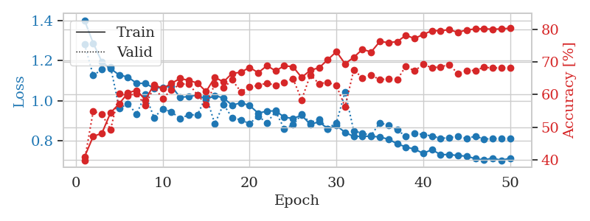
1.2015891686 | 1.1325488048 | 0.47067901235 | 0.57803468208 | 1.2964937687 | 47.067901235 | 57.803468208
1.1399328525 | 1.2345088829 | 0.48148148148 | 0.50674373796 | 1.3131272793 | 48.148148148 | 50.674373796
1.141642657 | 0.96674073386 | 0.52160493827 | 0.59730250482 | 1.3070137501 | 52.160493827 | 59.730250482
1.1098684146 | 1.0424724445 | 0.57137345679 | 0.57225433526 | 1.297629118 | 57.137345679 | 57.225433526
1.0942537869 | 1.1010972209 | 0.54012345679 | 0.52408477842 | 1.3141443729 | 54.012345679 | 52.408477842
1.0872941532 | 1.3078457287 | 0.47145061728 | 0.43159922929 | 1.2997772694 | 47.145061728 | 43.159922929
1.0533549488 | 0.93912239433 | 0.61805555556 | 0.6204238921 | 1.2677090168 | 61.805555556 | 62.04238921
1.0561829599 | 1.0140093804 | 0.61574074074 | 0.591522158 | 1.2942388058 | 61.574074074 | 59.1522158
1.0424696788 | 0.95616999343 | 0.59490740741 | 0.58188824663 | 1.2684614658 | 59.490740741 | 58.188824663
1.0132521575 | 1.0199287581 | 0.57831790123 | 0.56840077071 | 1.3753349781 | 57.831790123 | 56.840077071
1.0115309027 | 0.97866652467 | 0.62808641975 | 0.57803468208 | 1.2598490715 | 62.808641975 | 57.803468208
1.0166264221 | 1.2575437255 | 0.49151234568 | 0.46242774566 | 1.3428256512 | 49.151234568 | 46.242774566
1.0088774061 | 0.90403720777 | 0.62037037037 | 0.63005780347 | 1.3158290386 | 62.037037037 | 63.005780347
0.9933600227 | 0.96346728145 | 0.66319444444 | 0.61271676301 | 1.3120274544 | 66.319444444 | 61.271676301
0.98550185304 | 0.98444937304 | 0.64236111111 | 0.58574181118 | 1.3036255836 | 64.236111111 | 58.574181118
0.98054160564 | 1.070987036 | 0.52700617284 | 0.57803468208 | 1.2814817429 | 52.700617284 | 57.803468208
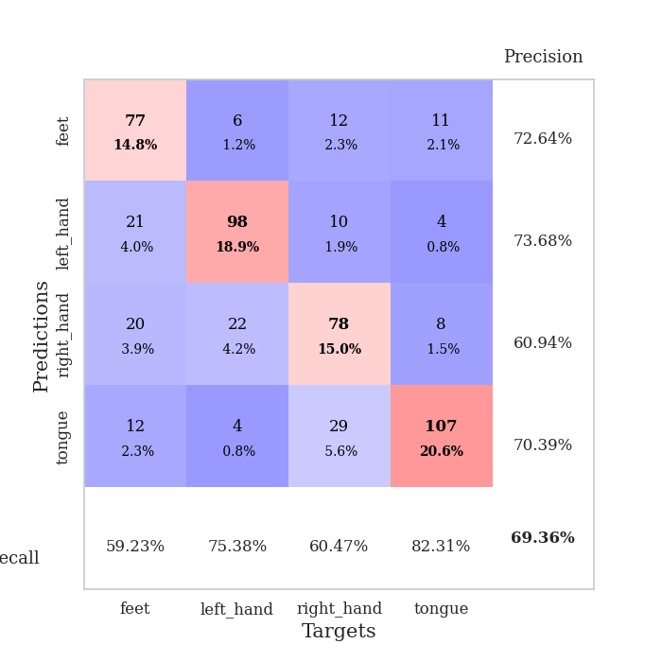
0.98136768297 | 0.96601430162 | 0.6462191358 | 0.59344894027 | 1.3234357834 | 64.62191358 | 59.344894027
0.96230154439 | 0.91601054195 | 0.69174382716 | 0.64161849711 | 1.2768614292 | 69.174382716 | 64.161849711
0.9369142142 | 0.93854218228 | 0.70023148148 | 0.61657032755 | 1.2873661518 | 70.023148148 | 61.657032755
0.92606262145 | 1.0475974981 | 0.59799382716 | 0.56069364162 | 1.3009080887 | 59.799382716 | 56.069364162
0.92823063996 | 0.96146711632 | 0.67399691358 | 0.60693641618 | 1.2790021896 | 67.399691358 | 60.693641618
0.88400306617 | 0.91177161856 | 0.71797839506 | 0.64161849711 | 1.2913837433 | 71.797839506 | 64.161849711
0.88162497919 | 0.93383578597 | 0.68479938272 | 0.62813102119 | 1.3058209419 | 68.479938272 | 62.813102119
0.88390444238 | 0.9856220617 | 0.67785493827 | 0.60886319846 | 1.2916865349 | 67.785493827 | 60.886319846
0.88165338025 | 0.96777751336 | 0.66820987654 | 0.59922928709 | 1.2758903503 | 66.820987654 | 59.922928709
0.85883910439 | 0.90382659056 | 0.75308641975 | 0.62813102119 | 1.298661232 | 75.308641975 | 62.813102119
0.85583384795 | 0.91396048464 | 0.74382716049 | 0.63198458574 | 1.3411874771 | 74.382716049 | 63.198458574
0.82423165496 | 0.94185665118 | 0.7337962963 | 0.60308285164 | 1.280800581 | 73.37962963 | 60.308285164
0.80286463138 | 0.88327027745 | 0.76311728395 | 0.63391136802 | 1.2939133644 | 76.311728395 | 63.391136802
0.80487854613 | 0.93459883384 | 0.73533950617 | 0.60886319846 | 1.3191111088 | 73.533950617 | 60.886319846
0.80189707691 | 0.90044565261 | 0.76929012346 | 0.64739884393 | 1.2747058868 | 76.929012346 | 64.739884393
0.76859754177 | 0.88714287529 | 0.77777777778 | 0.64354527938 | 1.3167786598 | 77.777777778 | 64.354527938
0.77142124669 | 0.91452569516 | 0.78047839506 | 0.63005780347 | 1.2755699158 | 78.047839506 | 63.005780347
0.75249839179 | 0.92123019534 | 0.74652777778 | 0.65317919075 | 1.2625455856 | 74.652777778 | 65.317919075
0.75895955864 | 0.92524975871 | 0.76890432099 | 0.61078998073 | 1.3101043701 | 76.890432099 | 61.078998073
0.73316977366 | 0.88408402602 | 0.79205246914 | 0.67052023121 | 1.241594553 | 79.205246914 | 67.052023121
0.73920337194 | 0.89135551613 | 0.79783950617 | 0.64161849711 | 1.5428061485 | 79.783950617 | 64.161849711
0.7088484387 | 0.90339889072 | 0.79899691358 | 0.6570327553 | 1.3333082199 | 79.899691358 | 65.70327553
0.72164946739 | 0.90152324831 | 0.78819444444 | 0.63391136802 | 1.3046712875 | 78.819444444 | 63.391136802
0.71631239244 | 0.90286418974 | 0.79668209877 | 0.63391136802 | 1.29449296 | 79.668209877 | 63.391136802
0.70879757496 | 0.90109358059 | 0.79513888889 | 0.63391136802 | 1.3372447491 | 79.513888889 | 63.391136802
0.68707978799 | 0.90462092857 | 0.79899691358 | 0.63776493256 | 1.3525054455 | 79.899691358 | 63.776493256
0.70510786514 | 0.9073826341 | 0.8074845679 | 0.65125240848 | 1.3095021248 | 80.74845679 | 65.125240848
0.67760541281 | 0.90770588422 | 0.81211419753 | 0.65510597303 | 1.2876880169 | 81.211419753 | 65.510597303
0.68949297162 | 0.89644899901 | 0.81134259259 | 0.6570327553 | 1.326158762 | 81.134259259 | 65.70327553
0.69120779137 | 0.89912961466 | 0.81481481481 | 0.65510597303 | 1.3151342869 | 81.481481481 | 65.510597303
0.67851163392 | 0.89711954736 | 0.81558641975 | 0.65125240848 | 1.3047111034 | 81.558641975 | 65.125240848
0.68883719268 | 0.89832263209 | 0.81404320988 | 0.65510597303 | 1.2903785706 | 81.404320988 | 65.510597303

Best Val accuracy is 0.6705202312138728 and Best test accuracy is 0.6000964785335263

Sheet5
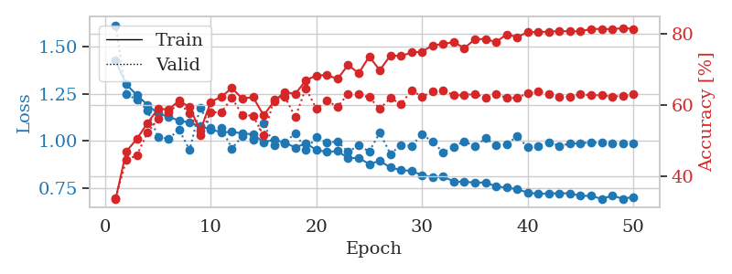
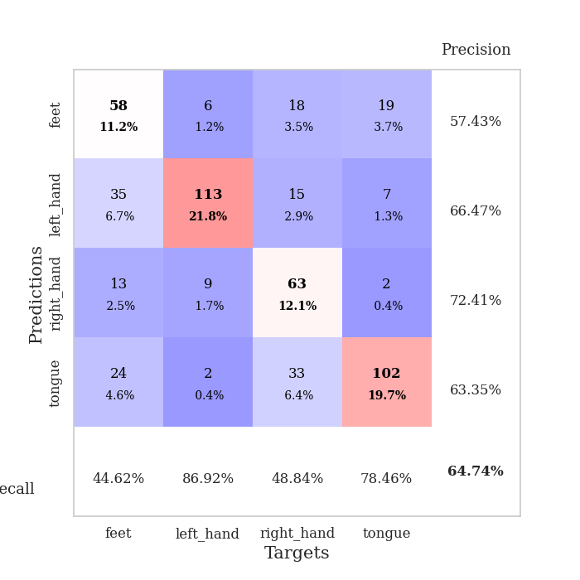
train_loss | valid_loss | train_accuracy | valid_accuracy | dur | train_misclass | valid_misclass
1.4277035366 | 1.6160418553 | 0.33564814815 | 0.33911368015 | 1.3139762878 | 33.564814815 | 33.911368015
1.3006490822 | 1.2510118035 | 0.46952160494 | 0.4450867052 | 1.3195347786 | 46.952160494 | 44.50867052
1.2450627589 | 1.2183963175 | 0.50462962963 | 0.45857418112 | 1.3215723038 | 50.462962963 | 45.857418112
1.192910527 | 1.1641290601 | 0.54899691358 | 0.52215799615 | 1.3080172539 | 54.899691358 | 52.215799615
1.1455484971 | 1.0229096601 | 0.58950617284 | 0.56069364162 | 1.3436169624 | 58.950617284 | 56.069364162
1.1297730189 | 1.0121087217 | 0.58796296296 | 0.57996146435 | 1.2793462276 | 58.796296296 | 57.996146435
1.1082887344 | 1.0608136501 | 0.61226851852 | 0.60500963391 | 1.2756528854 | 61.226851852 | 60.500963391
1.0985397027 | 0.9520110473 | 0.59490740741 | 0.57803468208 | 1.2880396843 | 59.490740741 | 57.803468208
1.0779226227 | 1.1785414658 | 0.52739197531 | 0.51637764933 | 1.3119206429 | 52.739197531 | 51.637764933
1.062377933 | 1.0696260489 | 0.60918209877 | 0.57996146435 | 1.3269846439 | 60.918209877 | 57.996146435
1.0461886187 | 1.0707140473 | 0.62384259259 | 0.57996146435 | 1.2936098576 | 62.384259259 | 57.996146435
1.0491199512 | 0.9597732272 | 0.64814814815 | 0.6204238921 | 1.2896406651 | 64.814814815 | 62.04238921
1.0405764285 | 1.0272664072 | 0.61805555556 | 0.57225433526 | 1.2428770065 | 61.805555556 | 57.225433526
1.0353918462 | 1.008243129 | 0.62307098765 | 0.57032755299 | 1.2808821201 | 62.307098765 | 57.032755299
0.9942250307 | 1.0936661081 | 0.57137345679 | 0.51445086705 | 1.2832045555 | 57.137345679 | 51.445086705
1.0068133455 | 0.9782780526 | 0.61111111111 | 0.61657032755 | 1.3143599033 | 61.111111111 | 61.657032755
0.99226562053 | 0.98893325809 | 0.63734567901 | 0.62427745665 | 1.3033025265 | 63.734567901 | 62.427745665
0.96543520229 | 1.0429576642 | 0.63155864198 | 0.56647398844 | 1.2764952183 | 63.155864198 | 56.647398844
0.98744067954 | 0.95306733004 | 0.66975308642 | 0.64739884393 | 1.2857892513 | 66.975308642 | 64.739884393
0.95262869585 | 1.0201594921 | 0.68402777778 | 0.58959537572 | 1.322769165 | 68.402777778 | 58.959537572
0.94204131725 | 0.99043377459 | 0.68479938272 | 0.61271676301 | 1.3331394196 | 68.479938272 | 61.271676301
0.94659389942 | 0.99801598647 | 0.67399691358 | 0.59537572254 | 1.2937705517 | 67.399691358 | 59.537572254
0.90916434703 | 0.94132708791 | 0.71334876543 | 0.63198458574 | 1.305567503 | 71.334876543 | 63.198458574
0.90995166221 | 0.97774579403 | 0.68981481481 | 0.63005780347 | 1.276406765 | 68.981481481 | 63.005780347
0.87807997601 | 0.94405667986 | 0.73726851852 | 0.62235067437 | 1.2987265587 | 73.726851852 | 62.235067437
0.89452539053 | 1.0447165617 | 0.69830246914 | 0.58959537572 | 1.2853946686 | 69.830246914 | 58.959537572
0.85913433999 | 0.93143353435 | 0.74035493827 | 0.6204238921 | 1.3218836784 | 74.035493827 | 62.04238921
0.84587248608 | 0.97734127683 | 0.73842592593 | 0.60308285164 | 1.3276400566 | 73.842592593 | 60.308285164
0.8410943822 | 0.97449743679 | 0.74845679012 | 0.64161849711 | 1.3090083599 | 74.845679012 | 64.161849711
0.818944266 | 1.0351462603 | 0.75077160494 | 0.62427745665 | 1.3072140217 | 75.077160494 | 62.427745665
0.80785874434 | 0.99708538685 | 0.76851851852 | 0.63776493256 | 1.2739756107 | 76.851851852 | 63.776493256
0.81073856115 | 0.93878448745 | 0.77237654321 | 0.64161849711 | 1.3284699917 | 77.237654321 | 64.161849711
0.78535973124 | 0.96894031453 | 0.77777777778 | 0.62813102119 | 1.2910642624 | 77.777777778 | 62.813102119
0.78277393808 | 0.99872908335 | 0.76080246914 | 0.62813102119 | 1.2809340954 | 76.080246914 | 62.813102119
0.78008665862 | 0.97076110861 | 0.78549382716 | 0.63198458574 | 1.2590694427 | 78.549382716 | 63.198458574
0.77862935118 | 1.0146101697 | 0.78665123457 | 0.6204238921 | 1.2864243984 | 78.665123457 | 62.04238921
0.75958598635 | 0.9794515624 | 0.77739197531 | 0.63198458574 | 1.3112335205 | 77.739197531 | 63.198458574
0.75215872478 | 0.98359618435 | 0.79976851852 | 0.6204238921 | 1.2839615345 | 79.976851852 | 62.04238921
0.7440967764 | 1.0257426808 | 0.79205246914 | 0.6204238921 | 1.4588038921 | 79.205246914 | 62.04238921
0.72612695617 | 0.96572925211 | 0.80555555556 | 0.63391136802 | 1.5113861561 | 80.555555556 | 63.391136802
0.71888461028 | 0.973034755 | 0.80632716049 | 0.63776493256 | 1.3482284546 | 80.632716049 | 63.776493256
0.72157182131 | 0.9943977893 | 0.80709876543 | 0.63198458574 | 1.2318966389 | 80.709876543 | 63.198458574
0.72218645033 | 0.97429300147 | 0.80902777778 | 0.62427745665 | 1.2397646904 | 80.902777778 | 62.427745665
0.72235692982 | 0.98607235768 | 0.80787037037 | 0.62427745665 | 1.2266743183 | 80.787037037 | 62.427745665
0.7090794411 | 0.9885186754 | 0.80825617284 | 0.63005780347 | 1.2917098999 | 80.825617284 | 63.005780347
0.70836568155 | 0.99328450454 | 0.81442901235 | 0.62813102119 | 1.301874876 | 81.442901235 | 62.813102119
0.69257626186 | 0.99017388306 | 0.81481481481 | 0.62813102119 | 1.3355693817 | 81.481481481 | 62.813102119
0.70996089841 | 0.98639704405 | 0.81404320988 | 0.62427745665 | 1.3031315804 | 81.404320988 | 62.427745665
0.6929838788 | 0.98871643431 | 0.81712962963 | 0.62620423892 | 1.3146247864 | 81.712962963 | 62.620423892
0.70327043478 | 0.98804947407 | 0.81520061728 | 0.63005780347 | 1.3592383862 | 81.520061728 | 63.005780347

Best Val accuracy is 0.6473988439306358 and Best test accuracy is 0.5108538350217077

Sheet6
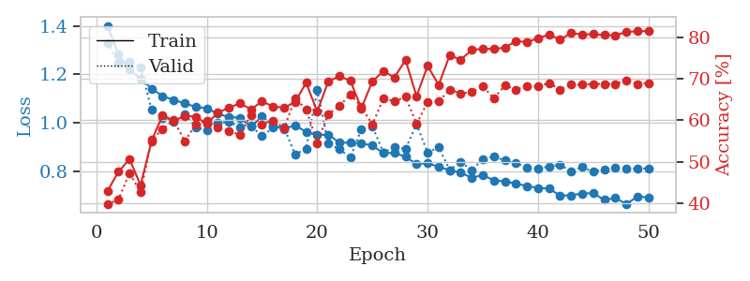
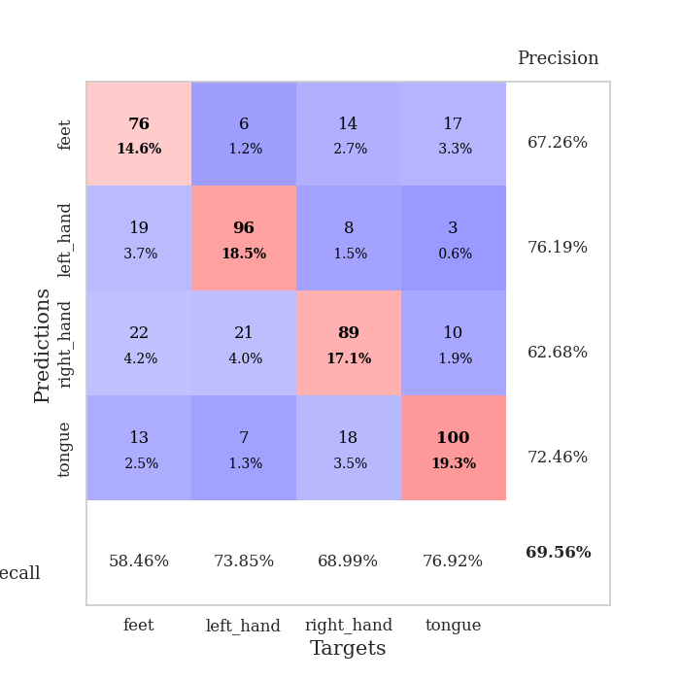
train_loss | valid_loss | train_accuracy | valid_accuracy | dur | train_misclass | valid_misclass
1.4011172925 | 1.3301209913 | 0.42901234568 | 0.39691714836 | 1.2714035511 | 42.901234568 | 39.691714836
1.28420371 | 1.2473352261 | 0.47530864198 | 0.408477842 | 1.3038656712 | 47.530864198 | 40.8477842
1.21906733 | 1.2503556897 | 0.50617283951 | 0.47206165703 | 1.3003602028 | 50.617283951 | 47.206165703
1.1824945307 | 1.2294593399 | 0.44290123457 | 0.42581888247 | 1.3009440899 | 44.290123457 | 42.581888247
1.1412364841 | 1.0534728239 | 0.54976851852 | 0.55298651252 | 1.292896986 | 54.976851852 | 55.298651252
1.1097374912 | 1.0201301669 | 0.61304012346 | 0.57803468208 | 1.2809095383 | 61.304012346 | 57.803468208
1.0944195901 | 1.0035086832 | 0.59799382716 | 0.60115606936 | 1.3459355831 | 59.799382716 | 60.115606936
1.0803479644 | 1.0349574743 | 0.61072530864 | 0.54913294798 | 1.3254756927 | 61.072530864 | 54.913294798
1.0654156282 | 0.98231306988 | 0.60841049383 | 0.58959537572 | 1.3202500343 | 60.841049383 | 58.959537572
1.0600752293 | 0.96788396185 | 0.59143518519 | 0.59922928709 | 1.3220560551 | 59.143518519 | 59.922928709
1.0370672982 | 0.9991053522 | 0.61805555556 | 0.58188824663 | 1.303068161 | 61.805555556 | 58.188824663
1.0236945086 | 1.0045132439 | 0.63040123457 | 0.57418111753 | 1.2885961533 | 63.040123457 | 57.418111753
1.0211135476 | 0.98095192845 | 0.64081790123 | 0.56454720617 | 1.3447628021 | 64.081790123 | 56.454720617
0.98438419162 | 0.98798835714 | 0.62654320988 | 0.61271676301 | 1.2766335011 | 62.654320988 | 61.271676301
1.0256786795 | 0.94418199765 | 0.64544753086 | 0.58959537572 | 1.2958230972 | 64.544753086 | 58.959537572
0.98750125479 | 0.97916585058 | 0.63348765432 | 0.59922928709 | 1.2709343433 | 63.348765432 | 59.922928709
0.97474770947 | 0.98028688612 | 0.6300154321 | 0.57996146435 | 1.2832832336 | 63.00154321 | 57.996146435
0.98964395751 | 0.86819085439 | 0.64429012346 | 0.65317919075 | 1.2869470119 | 64.429012346 | 65.317919075
0.96166404677 | 0.89337401767 | 0.69097222222 | 0.62620423892 | 1.2621335983 | 69.097222222 | 62.620423892
0.94907093747 | 1.1355997638 | 0.62075617284 | 0.54527938343 | 1.2965049744 | 62.075617284 | 54.527938343
0.95090683264 | 0.91509945751 | 0.69367283951 | 0.61464354528 | 1.2785422802 | 69.367283951 | 61.464354528
0.91801551536 | 0.89019739375 | 0.70640432099 | 0.63391136802 | 1.2973356247 | 70.640432099 | 63.391136802
0.91751825717 | 0.85712734927 | 0.69560185185 | 0.66281310212 | 1.3007688522 | 69.560185185 | 66.281310212
0.91532620696 | 0.97373735721 | 0.62885802469 | 0.63198458574 | 1.2696413994 | 62.885802469 | 63.198458574
0.90530310442 | 0.98496300683 | 0.69444444444 | 0.58959537572 | 1.270904541 | 69.444444444 | 58.959537572
0.87438281874 | 0.87607106285 | 0.71836419753 | 0.65317919075 | 1.2928268909 | 71.836419753 | 65.317919075
0.87533419717 | 0.90024625267 | 0.7037037037 | 0.64547206166 | 1.2874276638 | 70.37037037 | 64.547206166
0.859675419 | 0.89161807701 | 0.74575617284 | 0.6570327553 | 1.3085165024 | 74.575617284 | 65.70327553
0.82856730528 | 0.99428588807 | 0.65779320988 | 0.591522158 | 1.3040926456 | 65.779320988 | 59.1522158
0.8332427512 | 0.87657260137 | 0.73148148148 | 0.64354527938 | 1.3331766129 | 73.148148148 | 64.354527938
0.81712775337 | 0.89882055206 | 0.68557098765 | 0.64547206166 | 1.2457652092 | 68.557098765 | 64.547206166
0.80379655424 | 0.80447203874 | 0.75694444444 | 0.67437379576 | 1.3287918568 | 75.694444444 | 67.437379576
0.79302178691 | 0.83849515093 | 0.74652777778 | 0.66473988439 | 1.2998514175 | 74.652777778 | 66.473988439
0.77266022903 | 0.80317298342 | 0.76967592593 | 0.66859344894 | 1.2794880867 | 76.967592593 | 66.859344894
0.78373786421 | 0.84916450408 | 0.77314814815 | 0.68208092486 | 1.2553591728 | 77.314814815 | 68.208092486
0.76156160548 | 0.860672241 | 0.77199074074 | 0.65317919075 | 1.2584552765 | 77.199074074 | 65.317919075
0.75762231998 | 0.84357653096 | 0.77584876543 | 0.68400770713 | 1.2797961235 | 77.584876543 | 68.400770713
0.74799037421 | 0.83242517606 | 0.7912808642 | 0.67437379576 | 1.2932825089 | 79.12808642 | 67.437379576
0.73858258717 | 0.81308582109 | 0.78896604938 | 0.68208092486 | 1.4365670681 | 78.896604938 | 68.208092486
0.73052248911 | 0.8113582527 | 0.79822530864 | 0.68208092486 | 1.4806497097 | 79.822530864 | 68.208092486
0.72807101961 | 0.81863613923 | 0.8074845679 | 0.68978805395 | 1.3075459003 | 80.74845679 | 68.978805395
0.69830846658 | 0.82675570123 | 0.79475308642 | 0.67437379576 | 1.2388505936 | 79.475308642 | 67.437379576
0.69969612388 | 0.79774559991 | 0.81095679012 | 0.6859344894 | 1.2510695457 | 81.095679012 | 68.59344894
0.70760601741 | 0.81679705985 | 0.80709876543 | 0.6859344894 | 1.2430047989 | 80.709876543 | 68.59344894
0.70861278897 | 0.79771174861 | 0.80825617284 | 0.68786127168 | 1.2768368721 | 80.825617284 | 68.786127168
0.68103756783 | 0.80663157911 | 0.80594135802 | 0.68786127168 | 1.2706594467 | 80.594135802 | 68.786127168
0.68871251374 | 0.81266780143 | 0.80555555556 | 0.68786127168 | 1.3028752804 | 80.555555556 | 68.786127168
0.66406343638 | 0.80901350842 | 0.81327160494 | 0.69556840077 | 1.2726535797 | 81.327160494 | 69.556840077
0.6939457046 | 0.81098730601 | 0.81520061728 | 0.68786127168 | 1.2655076981 | 81.520061728 | 68.786127168
0.69168427311 | 0.81090790941 | 0.81558641975 | 0.68978805395 | 1.3397214413 | 81.558641975 | 68.978805395

Best Val accuracy is 0.6955684007707129 and Best test accuracy is 0.592378195851423

Sheet7
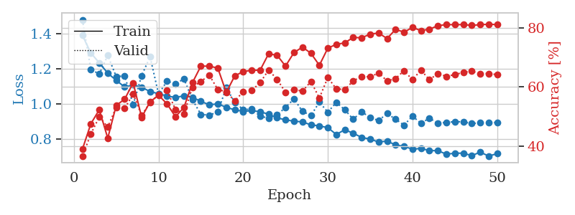
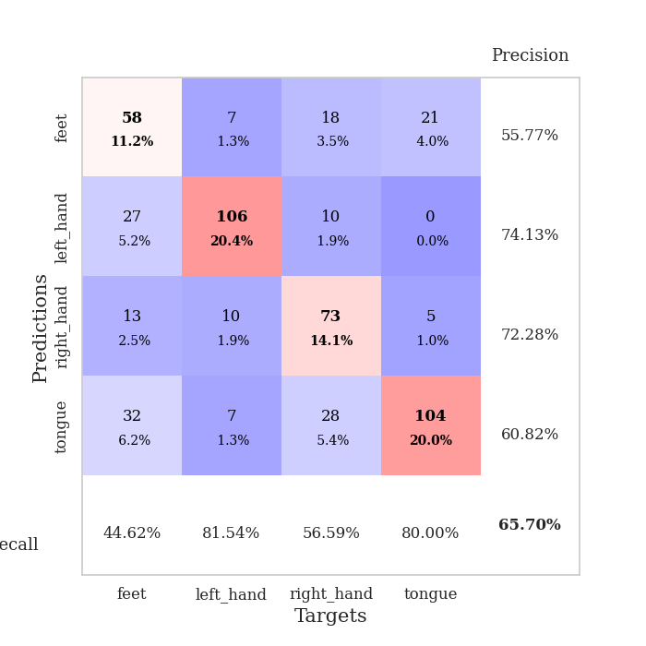
train_loss | valid_loss | train_accuracy | valid_accuracy | dur | train_misclass | valid_misclass
1.3913082392 | 1.4798952922 | 0.38927469136 | 0.36608863198 | 1.3084504604 | 38.927469136 | 36.608863198
1.2903225153 | 1.196435799 | 0.47569444444 | 0.44123314066 | 1.3337237835 | 47.569444444 | 44.123314066
1.2341356609 | 1.1704752655 | 0.52314814815 | 0.49903660886 | 1.3564693928 | 52.314814815 | 49.903660886
1.1752872931 | 1.2767126673 | 0.42708333333 | 0.46435452794 | 1.2985622883 | 42.708333333 | 46.435452794
1.1344527646 | 1.1552663866 | 0.53780864198 | 0.53179190751 | 1.297232151 | 53.780864198 | 53.179190751
1.0961857832 | 1.1606326024 | 0.55902777778 | 0.52793834297 | 1.3481872082 | 55.902777778 | 52.793834297
1.1082762009 | 0.99518553301 | 0.6138117284 | 0.57610789981 | 1.2784118652 | 61.38117284 | 57.610789981
1.0946384506 | 1.1613086897 | 0.49768518519 | 0.50481695568 | 1.3101606369 | 49.768518519 | 50.481695568
1.0705639643 | 1.2688848841 | 0.54976851852 | 0.5472061657 | 1.3284447193 | 54.976851852 | 54.72061657
1.0580420082 | 1.0561935977 | 0.5725308642 | 0.57418111753 | 1.3281106949 | 57.25308642 | 57.418111753
1.045414751 | 1.1298423266 | 0.54282407407 | 0.58766859345 | 1.3201994896 | 54.282407407 | 58.766859345
1.0368313414 | 1.1137376132 | 0.49961419753 | 0.52408477842 | 1.2716445923 | 49.961419753 | 52.408477842
1.0461829912 | 1.1429900744 | 0.53086419753 | 0.50867052023 | 1.275939703 | 53.086419753 | 50.867052023
1.0385478444 | 1.0246243155 | 0.61419753086 | 0.59922928709 | 1.2643697262 | 61.419753086 | 59.922928709
1.0144439159 | 0.94030854077 | 0.67052469136 | 0.61849710983 | 1.2951216698 | 67.052469136 | 61.849710983
0.99513771284 | 0.93627710747 | 0.67013888889 | 0.63969171484 | 1.3157076836 | 67.013888889 | 63.969171484
1.0005142851 | 0.95453106255 | 0.66396604938 | 0.591522158 | 1.3356912136 | 66.396604938 | 59.1522158
0.98078288819 | 1.0925654109 | 0.58140432099 | 0.5838150289 | 1.3318691254 | 58.140432099 | 58.38150289
0.9663428414 | 1.0087817347 | 0.63734567901 | 0.55298651252 | 1.3264718056 | 63.734567901 | 55.298651252
0.95699397613 | 0.96753012927 | 0.65200617284 | 0.5838150289 | 1.3060114384 | 65.200617284 | 58.38150289
0.96207560985 | 0.97068919129 | 0.65625 | 0.58766859345 | 1.3235259056 | 65.625 | 58.766859345
0.95521169239 | 0.93032391292 | 0.65663580247 | 0.61464354528 | 1.2864274979 | 65.663580247 | 61.464354528
0.9415629863 | 0.91926635678 | 0.71180555556 | 0.6570327553 | 1.3206050396 | 71.180555556 | 65.70327553
0.92114106961 | 0.93761766853 | 0.70717592593 | 0.62620423892 | 1.3051478863 | 70.717592593 | 62.620423892
0.90888768729 | 0.97999450042 | 0.67052469136 | 0.58188824663 | 1.3450093269 | 67.052469136 | 58.188824663
0.9020353804 | 1.0285234939 | 0.71604938272 | 0.591522158 | 1.3341987133 | 71.604938272 | 59.1522158
0.89730695258 | 0.95829185493 | 0.73456790123 | 0.58574181118 | 1.3269913197 | 73.456790123 | 58.574181118
0.88104375185 | 0.93338282191 | 0.7137345679 | 0.61849710983 | 1.2891104221 | 71.37345679 | 61.849710983
0.87478411014 | 1.010361979 | 0.67322530864 | 0.56262042389 | 1.2862389088 | 67.322530864 | 56.262042389
0.86468509226 | 0.95303944035 | 0.73109567901 | 0.63198458574 | 1.3146746159 | 73.109567901 | 63.198458574
0.82599755312 | 1.0084676909 | 0.74382716049 | 0.59344894027 | 1.2700824738 | 74.382716049 | 59.344894027
0.85291024859 | 0.96670179296 | 0.74884259259 | 0.591522158 | 1.2928555012 | 74.884259259 | 59.1522158
0.83278792397 | 0.91280267808 | 0.76736111111 | 0.6204238921 | 1.2769002914 | 76.736111111 | 62.04238921
0.80903747475 | 0.9562682483 | 0.76581790123 | 0.63583815029 | 1.2551467419 | 76.581790123 | 63.583815029
0.79968461597 | 0.92113612934 | 0.77854938272 | 0.63391136802 | 1.3513450623 | 77.854938272 | 63.391136802
0.78276464398 | 0.90573852554 | 0.78202160494 | 0.64739884393 | 1.2804684639 | 78.202160494 | 64.739884393
0.78836203928 | 0.94528481336 | 0.76350308642 | 0.6204238921 | 1.3617248535 | 76.350308642 | 62.04238921
0.76622707709 | 0.91304252752 | 0.79436728395 | 0.62813102119 | 1.5154700279 | 79.436728395 | 62.813102119
0.75851221898 | 0.87906648049 | 0.78510802469 | 0.65510597303 | 1.1757378578 | 78.510802469 | 65.510597303
0.74215379321 | 0.93035472645 | 0.80092592593 | 0.62427745665 | 1.3140296936 | 80.092592593 | 62.427745665
0.74612440058 | 0.88986468786 | 0.79012345679 | 0.6570327553 | 1.1742353439 | 79.012345679 | 65.70327553
0.73428201473 | 0.91881685036 | 0.79513888889 | 0.62427745665 | 1.2044785023 | 79.513888889 | 62.427745665
0.73343146666 | 0.89020461464 | 0.80671296296 | 0.64547206166 | 1.1592032909 | 80.671296296 | 64.547206166
0.71375103056 | 0.89476947943 | 0.81057098765 | 0.63583815029 | 1.1501269341 | 81.057098765 | 63.583815029
0.71895308885 | 0.89861983842 | 0.81018518519 | 0.64161849711 | 1.1272549629 | 81.018518519 | 64.161849711
0.71950656369 | 0.8982068979 | 0.81057098765 | 0.6493256262 | 1.1445839405 | 81.057098765 | 64.93256262
0.70534960392 | 0.8878613545 | 0.80787037037 | 0.65317919075 | 1.133569479 | 80.787037037 | 65.317919075
0.72529079829 | 0.8928419819 | 0.81018518519 | 0.64547206166 | 1.1402935982 | 81.018518519 | 64.547206166
0.70294055784 | 0.89422139014 | 0.81172839506 | 0.64547206166 | 1.1295101643 | 81.172839506 | 64.547206166
0.71647828413 | 0.89385181976 | 0.81057098765 | 0.64161849711 | 1.1549944878 | 81.057098765 | 64.161849711

Best Val accuracy is 0.6570327552986512 and Best test accuracy is 0.5330438977327545

Sheet8
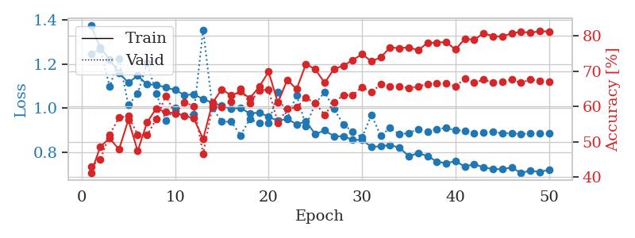
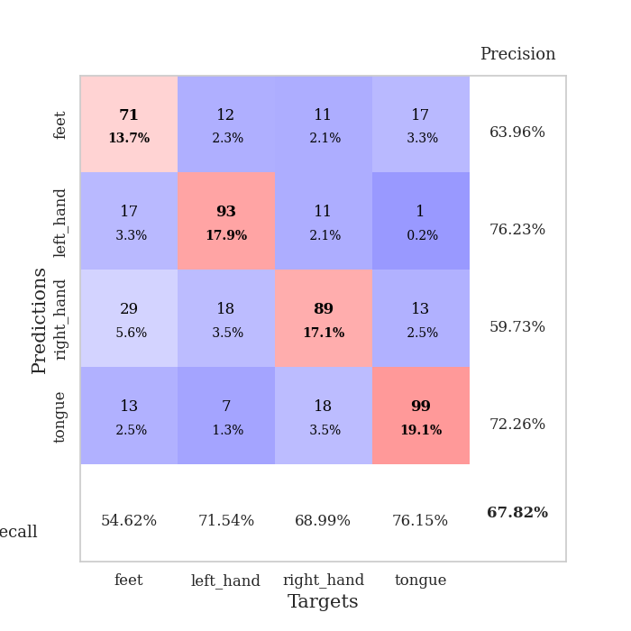
train_loss | valid_loss | train_accuracy | valid_accuracy | dur | train_misclass | valid_misclass
1.3732056993 | 1.246040497 | 0.41049382716 | 0.42967244701 | 1.2195646763 | 41.049382716 | 42.967244701
1.2734887066 | 1.2681845755 | 0.48572530864 | 0.44894026975 | 1.2203743458 | 48.572530864 | 44.894026975
1.2193373622 | 1.0975755187 | 0.50964506173 | 0.52023121387 | 1.2222344875 | 50.964506173 | 52.023121387
1.1598905969 | 1.2225026432 | 0.47800925926 | 0.56840077071 | 1.1899635792 | 47.800925926 | 56.840077071
1.1151341237 | 1.0146857873 | 0.56134259259 | 0.57225433526 | 1.1875209808 | 56.134259259 | 57.225433526
1.1469956758 | 1.0661492515 | 0.47337962963 | 0.52023121387 | 1.184956789 | 47.337962963 | 52.023121387
1.1077269816 | 1.205403978 | 0.55439814815 | 0.5183044316 | 1.1968522072 | 55.439814815 | 51.83044316
1.1060057393 | 1.0666055636 | 0.59452160494 | 0.56454720617 | 1.1616399288 | 59.452160494 | 56.454720617
1.0940136799 | 0.94290149631 | 0.58333333333 | 0.63005780347 | 1.1160812378 | 58.333333333 | 63.005780347
1.0824370634 | 1.0017837433 | 0.58063271605 | 0.57996146435 | 1.1240589619 | 58.063271605 | 57.996146435
1.0601462383 | 0.96647287058 | 0.57407407407 | 0.61078998073 | 1.1562643051 | 57.407407407 | 61.078998073
1.0623831642 | 0.97452518844 | 0.56558641975 | 0.60115606936 | 1.1382584572 | 56.558641975 | 60.115606936
1.0419410276 | 1.3537540362 | 0.50771604938 | 0.46628131021 | 1.1469590664 | 50.771604938 | 46.628131021
1.024650679 | 1.0016181246 | 0.61033950617 | 0.59922928709 | 1.1561045647 | 61.033950617 | 59.922928709
1.0113268833 | 0.93950436869 | 0.64853395062 | 0.59730250482 | 1.1439871788 | 64.853395062 | 59.730250482
0.99834307072 | 0.93925512434 | 0.63078703704 | 0.61464354528 | 1.145008564 | 63.078703704 | 61.464354528
1.0012235218 | 0.87812792979 | 0.64197530864 | 0.6493256262 | 1.1525321007 | 64.197530864 | 64.93256262
0.97654569407 | 0.95055770461 | 0.62307098765 | 0.60886319846 | 1.1734685898 | 62.307098765 | 60.886319846
0.98073733331 | 0.93304244149 | 0.65547839506 | 0.64547206166 | 1.1573076248 | 65.547839506 | 64.547206166
0.9620217565 | 0.93205006297 | 0.69830246914 | 0.64739884393 | 1.1514425278 | 69.830246914 | 64.739884393
0.94337162375 | 1.0729180832 | 0.61033950617 | 0.55298651252 | 1.1602528095 | 61.033950617 | 55.298651252
0.95221135094 | 0.9559239721 | 0.67515432099 | 0.59344894027 | 1.1404635906 | 67.515432099 | 59.344894027
0.92732374554 | 1.0589649388 | 0.64891975309 | 0.59730250482 | 1.1403572559 | 64.891975309 | 59.730250482
0.94069177759 | 0.91986566265 | 0.72029320988 | 0.62427745665 | 1.2077658176 | 72.029320988 | 62.427745665
0.88322789893 | 1.0214396812 | 0.70486111111 | 0.60886319846 | 1.2199280262 | 70.486111111 | 60.886319846
0.89996979616 | 1.0728827857 | 0.66705246914 | 0.57610789981 | 1.1541609764 | 66.705246914 | 57.610789981
0.87397365143 | 0.99720128446 | 0.70601851852 | 0.61078998073 | 1.1390972137 | 70.601851852 | 61.078998073
0.87327962801 | 0.92753003948 | 0.71527777778 | 0.63198458574 | 1.1492440701 | 71.527777778 | 63.198458574
0.85743576123 | 0.89375038253 | 0.73148148148 | 0.63198458574 | 1.1394069195 | 73.148148148 | 63.198458574
0.85736559129 | 0.86880624777 | 0.74768518519 | 0.65510597303 | 1.1629941463 | 74.768518519 | 65.510597303
0.82559898569 | 0.96958989307 | 0.72800925926 | 0.63969171484 | 1.1586956978 | 72.800925926 | 63.969171484
0.82898002569 | 0.87664069629 | 0.7388117284 | 0.66281310212 | 1.1482081413 | 73.88117284 | 66.281310212
0.83382497985 | 0.91110906872 | 0.76736111111 | 0.6570327553 | 1.1578769684 | 76.736111111 | 65.70327553
0.8224014936 | 0.88289753458 | 0.76466049383 | 0.6570327553 | 1.1354365349 | 76.466049383 | 65.70327553
0.78369740627 | 0.88821483462 | 0.76774691358 | 0.65125240848 | 1.1681807041 | 76.774691358 | 65.125240848
0.79699000827 | 0.90592054618 | 0.75887345679 | 0.6570327553 | 1.1630792618 | 75.887345679 | 65.70327553
0.78498161299 | 0.89403490869 | 0.78009259259 | 0.66281310212 | 1.1457705498 | 78.009259259 | 66.281310212
0.75892028783 | 0.90643344288 | 0.78086419753 | 0.66473988439 | 1.1285960674 | 78.086419753 | 66.473988439
0.75227517037 | 0.91054181028 | 0.78240740741 | 0.66473988439 | 1.1037034988 | 78.240740741 | 66.473988439
0.76120524495 | 0.90134809449 | 0.7611882716 | 0.6570327553 | 1.2638573647 | 76.11882716 | 65.70327553
0.73687783822 | 0.89858250306 | 0.79166666667 | 0.67822736031 | 1.2122662067 | 79.166666667 | 67.822736031
0.74796649795 | 0.88817796955 | 0.78858024691 | 0.66666666667 | 1.1980116367 | 78.858024691 | 66.666666667
0.73333192359 | 0.89034161379 | 0.80787037037 | 0.67630057803 | 1.2025663853 | 80.787037037 | 67.630057803
0.72575300012 | 0.89458483193 | 0.79899691358 | 0.66666666667 | 1.1746087074 | 79.899691358 | 66.666666667
0.72478822334 | 0.88632618669 | 0.79783950617 | 0.67052023121 | 1.1903965473 | 79.783950617 | 67.052023121
0.73277513021 | 0.88886474897 | 0.8074845679 | 0.67630057803 | 1.1857869625 | 80.74845679 | 67.630057803
0.7082614115 | 0.88258221682 | 0.81134259259 | 0.66666666667 | 1.1945488453 | 81.134259259 | 66.666666667
0.71833159158 | 0.888382173 | 0.80902777778 | 0.67630057803 | 1.1798202991 | 80.902777778 | 67.630057803
0.71240889677 | 0.8855630706 | 0.81288580247 | 0.67244701349 | 1.188034296 | 81.288580247 | 67.244701349
0.72254754548 | 0.88579734235 | 0.8125 | 0.67052023121 | 1.1365926266 | 81.25 | 67.052023121

Best Val accuracy is 0.6782273603082851 and Best test accuracy is 0.5581283164495899

Sheet9
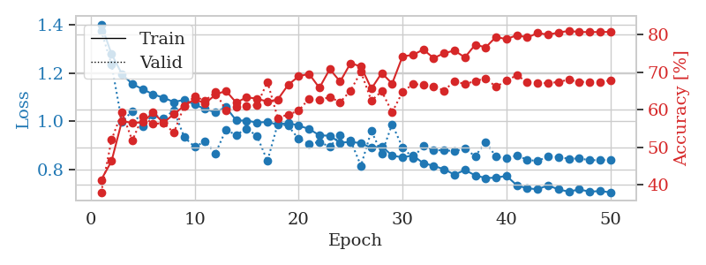
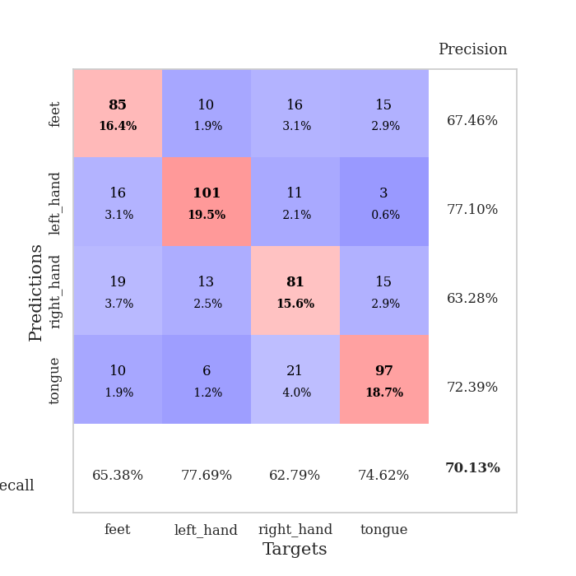
train_loss | valid_loss | train_accuracy | valid_accuracy | dur | train_misclass | valid_misclass
1.4031130105 | 1.3768751392 | 0.41358024691 | 0.3795761079 | 1.2031741142 | 41.358024691 | 37.95761079
1.2793478182 | 1.2362373204 | 0.46334876543 | 0.52023121387 | 1.1694936752 | 46.334876543 | 52.023121387
1.1967522038 | 0.99743726947 | 0.57021604938 | 0.59344894027 | 1.1938097477 | 57.021604938 | 59.344894027
1.1550042236 | 1.0434917584 | 0.56520061728 | 0.5183044316 | 1.1757349968 | 56.520061728 | 51.83044316
1.1340095184 | 0.98086737002 | 0.56674382716 | 0.58188824663 | 1.1616148949 | 56.674382716 | 58.188824663
1.1122309201 | 1.0279781677 | 0.59259259259 | 0.56262042389 | 1.1629626751 | 59.259259259 | 56.262042389
1.0983937442 | 1.0129904915 | 0.56558641975 | 0.56454720617 | 1.144400835 | 56.558641975 | 56.454720617
1.0803806469 | 1.0452760279 | 0.5887345679 | 0.53949903661 | 1.1720759869 | 58.87345679 | 53.949903661
1.0897069779 | 0.93421714476 | 0.61072530864 | 0.61078998073 | 1.1522579193 | 61.072530864 | 61.078998073
1.0700466659 | 0.89451723016 | 0.62808641975 | 0.63583815029 | 1.1606349945 | 62.808641975 | 63.583815029
1.0516853299 | 0.91690446749 | 0.61728395062 | 0.62427745665 | 1.1392827034 | 61.728395062 | 62.427745665
1.0374081326 | 0.86728865402 | 0.6400462963 | 0.64739884393 | 1.1350924969 | 64.00462963 | 64.739884393
1.0592310649 | 0.96387995989 | 0.65084876543 | 0.59922928709 | 1.1526899338 | 65.084876543 | 59.922928709
1.0039489913 | 0.9440149921 | 0.61921296296 | 0.60693641618 | 1.1711404324 | 61.921296296 | 60.693641618
1.0032048395 | 0.969449028 | 0.63348765432 | 0.61078998073 | 1.1448993683 | 63.348765432 | 61.078998073
0.99516553055 | 0.93953252907 | 0.62962962963 | 0.61271676301 | 1.1477434635 | 62.962962963 | 61.271676301
0.99783484362 | 0.8355152375 | 0.62191358025 | 0.67437379576 | 1.1403887272 | 62.191358025 | 67.437379576
0.98633199121 | 0.99062375779 | 0.62770061728 | 0.57803468208 | 1.1468229294 | 62.770061728 | 57.803468208
0.99404082475 | 0.98146327406 | 0.66666666667 | 0.58766859345 | 1.1730844975 | 66.666666667 | 58.766859345
0.98233985312 | 0.92728226148 | 0.68904320988 | 0.59730250482 | 1.1698629856 | 68.904320988 | 59.730250482
0.96877622384 | 0.90747890893 | 0.69598765432 | 0.63005780347 | 1.1483466625 | 69.598765432 | 63.005780347
0.94230251732 | 0.91448192973 | 0.65856481481 | 0.62620423892 | 1.1498954296 | 65.856481481 | 62.620423892
0.94034286303 | 0.89496786803 | 0.70833333333 | 0.63391136802 | 1.1704428196 | 70.833333333 | 63.391136802
0.91159180175 | 0.94291411016 | 0.67515432099 | 0.6204238921 | 1.140563488 | 67.515432099 | 62.04238921
0.91488780449 | 0.91993837056 | 0.72415123457 | 0.65125240848 | 1.1646690369 | 72.415123457 | 65.125240848
0.90979938043 | 0.81575824725 | 0.71527777778 | 0.70134874759 | 1.1732251644 | 71.527777778 | 70.134874759
0.88971383465 | 0.96005374756 | 0.65625 | 0.62427745665 | 1.1611950397 | 65.625 | 62.427745665
0.89662567554 | 0.86666151531 | 0.69791666667 | 0.6493256262 | 1.1483709812 | 69.791666667 | 64.93256262
0.85791085329 | 0.9883670645 | 0.66975308642 | 0.59344894027 | 1.1726989746 | 66.975308642 | 59.344894027
0.85067853994 | 0.891574779 | 0.74228395062 | 0.64739884393 | 1.1543250084 | 74.228395062 | 64.739884393
0.8584660231 | 0.84901323289 | 0.74614197531 | 0.66859344894 | 1.1457638741 | 74.614197531 | 66.859344894
0.82642646962 | 0.89735534517 | 0.76041666667 | 0.66666666667 | 1.1430470943 | 76.041666667 | 66.666666667
0.81542324836 | 0.88084314451 | 0.73765432099 | 0.66281310212 | 1.1422374249 | 73.765432099 | 66.281310212
0.80110851445 | 0.87969333956 | 0.75077160494 | 0.65125240848 | 1.1528978348 | 75.077160494 | 65.125240848
0.77883967426 | 0.87708561303 | 0.75771604938 | 0.67630057803 | 1.1384885311 | 75.771604938 | 67.630057803
0.79824195269 | 0.88637862993 | 0.73958333333 | 0.66859344894 | 1.1457891464 | 73.958333333 | 66.859344894
0.77571300666 | 0.85551085144 | 0.77353395062 | 0.67630057803 | 1.1648869514 | 77.353395062 | 67.630057803
0.76477710682 | 0.9143401892 | 0.7662037037 | 0.68400770713 | 1.0795445442 | 76.62037037 | 68.400770713
0.76630663393 | 0.85304161097 | 0.79436728395 | 0.66088631985 | 1.3045945168 | 79.436728395 | 66.088631985
0.77387297172 | 0.84696071146 | 0.78780864198 | 0.67822736031 | 1.2198078632 | 78.780864198 | 67.822736031
0.73465131628 | 0.85832489341 | 0.79899691358 | 0.69171483622 | 1.2127757072 | 79.899691358 | 69.171483622
0.72179292786 | 0.84065015628 | 0.7924382716 | 0.67437379576 | 1.1866910458 | 79.24382716 | 67.437379576
0.71846237494 | 0.83494470207 | 0.80439814815 | 0.67244701349 | 1.16959095 | 80.439814815 | 67.244701349
0.73435781694 | 0.85575810035 | 0.80015432099 | 0.67052023121 | 1.168482542 | 80.015432099 | 67.052023121
0.71757341498 | 0.85226537072 | 0.80555555556 | 0.67437379576 | 1.170290947 | 80.555555556 | 67.437379576
0.70817139542 | 0.84469273887 | 0.81018518519 | 0.68015414258 | 1.1741132736 | 81.018518519 | 68.015414258
0.71764691229 | 0.84632670983 | 0.80709876543 | 0.67437379576 | 1.1381616592 | 80.709876543 | 67.437379576
0.7081392619 | 0.83876260558 | 0.80709876543 | 0.67437379576 | 1.1438570023 | 80.709876543 | 67.437379576
0.71070379092 | 0.83909724466 | 0.80709876543 | 0.67437379576 | 1.1406998634 | 80.709876543 | 67.437379576
0.70538479789 | 0.84013139788 | 0.8074845679 | 0.67822736031 | 1.1628453732 | 80.74845679 | 67.822736031

Best Val accuracy is 0.7013487475915221 and Best test accuracy is 0.5287023637240714

Sheet10
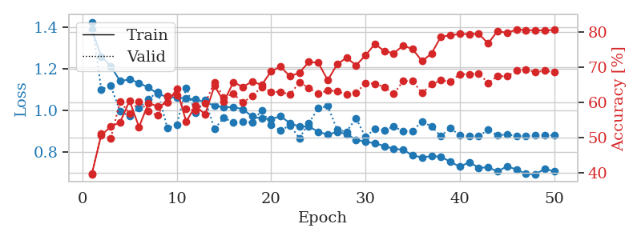
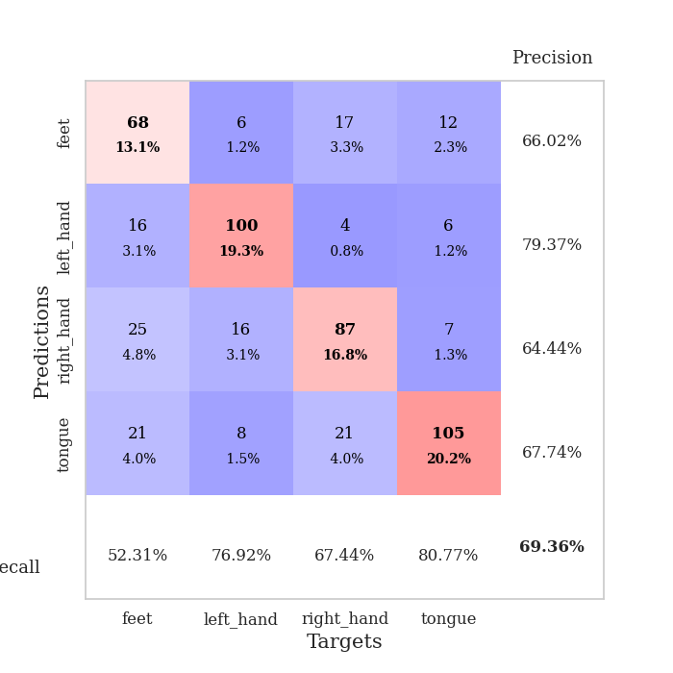
train_loss | valid_loss | train_accuracy | valid_accuracy | dur | train_misclass | valid_misclass
1.3901775133 | 1.4268356006 | 0.39699074074 | 0.39499036609 | 1.2116715908 | 39.699074074 | 39.499036609
1.2602736218 | 1.1014800083 | 0.50694444444 | 0.5105973025 | 1.2203977108 | 50.694444444 | 51.05973025
1.2143494045 | 1.1187319696 | 0.53086419753 | 0.49710982659 | 1.1763329506 | 53.086419753 | 49.710982659
1.1412452117 | 0.9950236252 | 0.54398148148 | 0.60308285164 | 1.2226102352 | 54.398148148 | 60.308285164
1.1500549968 | 0.97255939946 | 0.60455246914 | 0.56840077071 | 1.1687369347 | 60.455246914 | 56.840077071
1.1327355883 | 1.0114052609 | 0.53009259259 | 0.60308285164 | 1.1688017845 | 53.009259259 | 60.308285164
1.1103146621 | 1.0538931858 | 0.59760802469 | 0.57418111753 | 1.1692197323 | 59.760802469 | 57.418111753
1.0804072939 | 1.0905614228 | 0.5887345679 | 0.56262042389 | 1.1798779964 | 58.87345679 | 56.262042389
1.0644135317 | 0.9139436604 | 0.59953703704 | 0.61849710983 | 1.1255288124 | 59.953703704 | 61.849710983
1.061994886 | 0.92866123079 | 0.63773148148 | 0.6204238921 | 1.1472930908 | 63.773148148 | 62.04238921
1.0578164502 | 1.1091526374 | 0.54552469136 | 0.58188824663 | 1.1492915154 | 54.552469136 | 58.188824663
1.0532372046 | 0.98739992814 | 0.59066358025 | 0.57803468208 | 1.148499012 | 59.066358025 | 57.803468208
1.0392863673 | 1.0501336991 | 0.56558641975 | 0.59730250482 | 1.1437811852 | 56.558641975 | 59.730250482
1.0241786407 | 0.91078638433 | 0.64737654321 | 0.6570327553 | 1.1919498444 | 64.737654321 | 65.70327553
1.0138679353 | 0.9646760161 | 0.60185185185 | 0.61464354528 | 1.1489303112 | 60.185185185 | 61.464354528
1.0169165922 | 0.94092456661 | 0.65740740741 | 0.62427745665 | 1.1207666397 | 65.740740741 | 62.427745665
1.0054512541 | 0.94738950527 | 0.64390432099 | 0.59922928709 | 1.1600561142 | 64.390432099 | 59.922928709
0.97111985474 | 0.94114336297 | 0.65972222222 | 0.61849710983 | 1.1520707607 | 65.972222222 | 61.849710983
0.96035449115 | 1.0017823088 | 0.64930555556 | 0.64354527938 | 1.149928093 | 64.930555556 | 64.354527938
0.95819942359 | 0.92924853579 | 0.68827160494 | 0.63005780347 | 1.1830921173 | 68.827160494 | 63.005780347
0.97189486431 | 0.90314267343 | 0.70138888889 | 0.63005780347 | 1.1691207886 | 70.138888889 | 63.005780347
0.93871438834 | 0.92803954871 | 0.67399691358 | 0.62235067437 | 1.1558308601 | 67.399691358 | 62.235067437
0.92192045516 | 0.86621882392 | 0.68441358025 | 0.6570327553 | 1.1287713051 | 68.441358025 | 65.70327553
0.92322728185 | 0.93968164967 | 0.71489197531 | 0.64161849711 | 1.1459231377 | 71.489197531 | 64.161849711
0.89632648598 | 1.0100128272 | 0.71257716049 | 0.62427745665 | 1.1560354233 | 71.257716049 | 62.427745665
0.88366949448 | 1.0218409965 | 0.66319444444 | 0.63391136802 | 1.1399083138 | 66.319444444 | 63.391136802
0.89631202449 | 0.90606976842 | 0.70794753086 | 0.63198458574 | 1.142768383 | 70.794753086 | 63.198458574
0.88568745903 | 0.89735999904 | 0.72723765432 | 0.62235067437 | 1.1470561028 | 72.723765432 | 62.235067437
0.85848309431 | 0.96301511533 | 0.70524691358 | 0.62620423892 | 1.1732022762 | 70.524691358 | 62.620423892
0.84882331998 | 0.87074792316 | 0.73341049383 | 0.65510597303 | 1.1921951771 | 73.341049383 | 65.510597303
0.84148823479 | 0.9127156499 | 0.7662037037 | 0.65317919075 | 1.142829895 | 76.62037037 | 65.317919075
0.82763436657 | 0.90382232326 | 0.74575617284 | 0.64354527938 | 1.132017374 | 74.575617284 | 64.354527938
0.81501025311 | 0.92211756897 | 0.73958333333 | 0.62427745665 | 1.1432359219 | 73.958333333 | 62.427745665
0.8097960421 | 0.89887005091 | 0.76157407407 | 0.66088631985 | 1.157892704 | 76.157407407 | 66.088631985
0.7825403276 | 0.9006224154 | 0.75115740741 | 0.66088631985 | 1.1664528847 | 75.115740741 | 66.088631985
0.77333597581 | 0.9479322128 | 0.71720679012 | 0.62620423892 | 1.1417722702 | 71.720679012 | 62.620423892
0.77899879548 | 0.92167935298 | 0.7388117284 | 0.65125240848 | 1.1204903126 | 73.88117284 | 65.125240848
0.7766810571 | 0.87685425066 | 0.78703703704 | 0.66281310212 | 1.2908096313 | 78.703703704 | 66.281310212
0.75184581732 | 0.91439512584 | 0.79012345679 | 0.65895953757 | 1.0368821621 | 79.012345679 | 65.895953757
0.72786743608 | 0.87943916675 | 0.79475308642 | 0.68015414258 | 1.0407173634 | 79.475308642 | 68.015414258
0.75006719136 | 0.87465556118 | 0.79398148148 | 0.68015414258 | 1.0402624607 | 79.398148148 | 68.015414258
0.72331869216 | 0.87468623656 | 0.79513888889 | 0.68208092486 | 1.0218830109 | 79.513888889 | 68.208092486
0.7248149299 | 0.90754728625 | 0.76736111111 | 0.65510597303 | 1.0181772709 | 76.736111111 | 65.510597303
0.70590742429 | 0.87890745105 | 0.80324074074 | 0.67437379576 | 1.0192272663 | 80.324074074 | 67.437379576
0.72989095122 | 0.88492070939 | 0.79706790123 | 0.67437379576 | 1.0099933147 | 79.706790123 | 67.437379576
0.71512200959 | 0.87540663001 | 0.80709876543 | 0.68978805395 | 1.0116813183 | 80.709876543 | 68.978805395
0.69363829365 | 0.87761466949 | 0.80555555556 | 0.6936416185 | 1.0305950642 | 80.555555556 | 69.36416185
0.69209731232 | 0.87916513353 | 0.80478395062 | 0.6859344894 | 1.0458950996 | 80.478395062 | 68.59344894
0.71776556619 | 0.8793311335 | 0.80439814815 | 0.68978805395 | 1.02576828 | 80.439814815 | 68.978805395
0.70564162713 | 0.87959437885 | 0.80594135802 | 0.6859344894 | 1.0261979103 | 80.594135802 | 68.59344894

Best Val accuracy is 0.6936416184971098 and Best test accuracy is 0.597684515195369

