Sheet
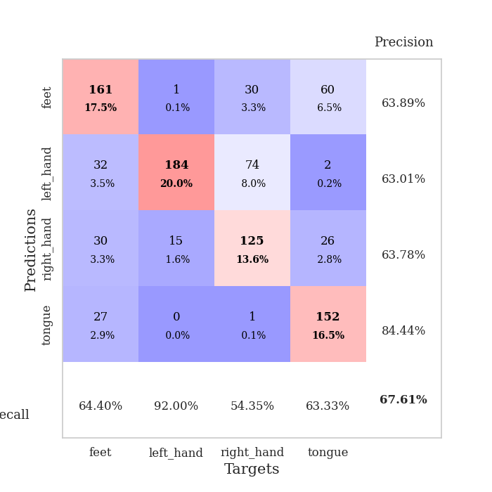

best_val_acc | best_val_los | best_test_acc
0.73913043478 | 1.1169029215 | 0.72413793103
0.70652173913 | 1.0220183963 | 0.66379310345
0.72826086957 | 0.7874063668 | 0.73275862069
0.64130434783 | 1.1605051134 | 0.62931034483
0.6847826087 | 1.0950809095 | 0.70689655172
0.67391304348 | 0.84401353028 | 0.68965517241
0.65217391304 | 1.1077380802 | 0.6724137931
0.69565217391 | 0.8917389849 | 0.77586206897
0.58695652174 | 1.374493148 | 0.65517241379
0.65217391304 | 0.93110425317 | 0.62931034483

Mean,std Val accuracy is 0.6760869565217391 , 0.045195553998587455 and mean, std test accuracy is 0.6879310344827586 , 0.047357158791845204

Sheet1
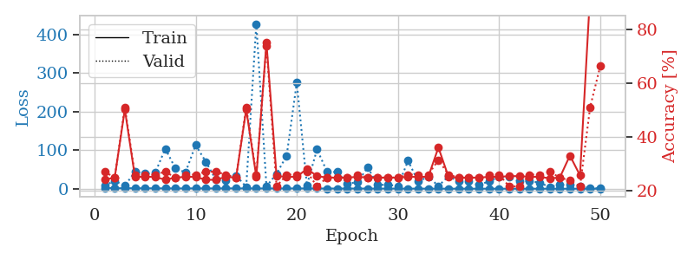
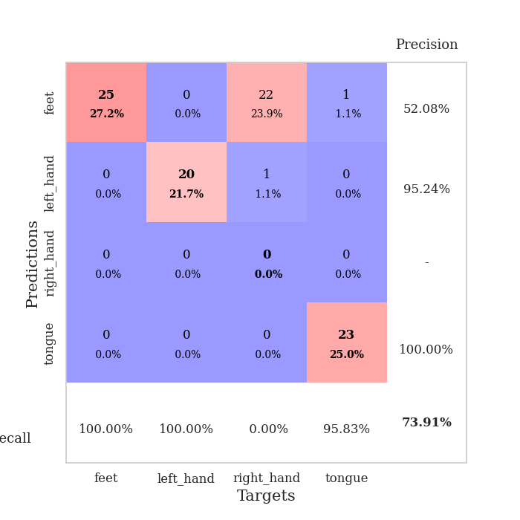
train_loss | valid_loss | train_accuracy | valid_accuracy | dur | train_misclass | valid_misclass
2.6188519467 | 8.783381545 | 0.24184782609 | 0.27173913043 | 0.22919297218 | 24.184782609 | 27.173913043
1.4803259917 | 20.114510329 | 0.25 | 0.25 | 0.10815763474 | 25 | 25
1.3071610072 | 7.6200964554 | 0.5027173913 | 0.51086956522 | 0.11219525337 | 50.27173913 | 51.086956522
1.384708433 | 44.162226138 | 0.2527173913 | 0.26086956522 | 0.10725259781 | 25.27173913 | 26.086956522
1.1917086425 | 38.956747801 | 0.2527173913 | 0.26086956522 | 0.11467075348 | 25.27173913 | 26.086956522
1.1514625187 | 41.357508618 | 0.2527173913 | 0.26086956522 | 0.10995125771 | 25.27173913 | 26.086956522
1.0183681664 | 103.94209986 | 0.24184782609 | 0.27173913043 | 0.10792589188 | 24.184782609 | 27.173913043
0.94821220507 | 52.794484346 | 0.25 | 0.25 | 0.10447049141 | 25 | 25
0.88842948882 | 42.474453138 | 0.2527173913 | 0.26086956522 | 0.10189318657 | 25.27173913 | 26.086956522
1.0525379647 | 113.4383389 | 0.2527173913 | 0.26086956522 | 0.10756754875 | 25.27173913 | 26.086956522
0.95678332059 | 70.269388613 | 0.24184782609 | 0.27173913043 | 0.10165691376 | 24.184782609 | 27.173913043
0.86314394033 | 23.591858159 | 0.24184782609 | 0.27173913043 | 0.10872960091 | 24.184782609 | 27.173913043
1.1263852586 | 23.01515629 | 0.2527173913 | 0.26086956522 | 0.11037516594 | 25.27173913 | 26.086956522
0.94525392418 | 34.082180852 | 0.25 | 0.25 | 0.1083817482 | 25 | 25
0.91756873545 | 4.9611780022 | 0.5027173913 | 0.51086956522 | 0.10245776176 | 50.27173913 | 51.086956522
0.84297588079 | 427.82932049 | 0.2527173913 | 0.26086956522 | 0.10420393944 | 25.27173913 | 26.086956522
0.82095150585 | 6.1763721134 | 0.75 | 0.73913043478 | 0.10129475594 | 75 | 73.913043478
0.78751992661 | 38.744579979 | 0.25543478261 | 0.21739130435 | 0.1023952961 | 25.543478261 | 21.739130435
0.82836622518 | 85.819214199 | 0.2527173913 | 0.26086956522 | 0.10684990883 | 25.27173913 | 26.086956522
0.84862144615 | 275.52596648 | 0.2527173913 | 0.26086956522 | 0.10408616066 | 25.27173913 | 26.086956522
0.78506044849 | 9.2957510948 | 0.28260869565 | 0.27173913043 | 0.11343359947 | 28.260869565 | 27.173913043
0.73158488714 | 102.15917173 | 0.25543478261 | 0.21739130435 | 0.11145424843 | 25.543478261 | 21.739130435
0.62718876678 | 43.924219712 | 0.25 | 0.25 | 0.1032474041 | 25 | 25
0.64347674665 | 43.390585526 | 0.25 | 0.25 | 0.11232352257 | 25 | 25
0.61305504649 | 13.45569706 | 0.25 | 0.25 | 0.1077902317 | 25 | 25
0.61945853674 | 16.651606809 | 0.2527173913 | 0.26086956522 | 0.11017894745 | 25.27173913 | 26.086956522
0.4997342488 | 55.29356036 | 0.25 | 0.25 | 0.10885977745 | 25 | 25
0.54967518475 | 9.738913619 | 0.25 | 0.25 | 0.10394501686 | 25 | 25
0.55190376484 | 10.591423491 | 0.25 | 0.25 | 0.11101198196 | 25 | 25
0.4476354485 | 6.7165506404 | 0.25 | 0.25 | 0.10847520828 | 25 | 25
0.37090538734 | 72.66141709 | 0.2527173913 | 0.26086956522 | 0.11466670036 | 25.27173913 | 26.086956522
0.34732987473 | 18.698397014 | 0.2527173913 | 0.26086956522 | 0.10733485222 | 25.27173913 | 26.086956522
0.3172495715 | 31.284378964 | 0.2527173913 | 0.26086956522 | 0.11316585541 | 25.27173913 | 26.086956522
0.26546342153 | 7.314339928 | 0.36141304348 | 0.3152173913 | 0.1037003994 | 36.141304348 | 31.52173913
0.21990646713 | 32.363256952 | 0.2527173913 | 0.26086956522 | 0.11110138893 | 25.27173913 | 26.086956522
0.23876802753 | 19.257314019 | 0.25 | 0.25 | 0.1079518795 | 25 | 25
0.25689416735 | 19.69967245 | 0.25 | 0.25 | 0.10607409477 | 25 | 25
0.20251375858 | 9.8346589959 | 0.25 | 0.25 | 0.10817027092 | 25 | 25
0.20539264672 | 19.224127272 | 0.2527173913 | 0.26086956522 | 0.10903573036 | 25.27173913 | 26.086956522
0.17690592502 | 30.882334087 | 0.2527173913 | 0.26086956522 | 0.11339354515 | 25.27173913 | 26.086956522
0.14207507362 | 30.223961042 | 0.25543478261 | 0.21739130435 | 0.10101914406 | 25.543478261 | 21.739130435
0.18480335419 | 19.385941132 | 0.25543478261 | 0.21739130435 | 0.10746121407 | 25.543478261 | 21.739130435
0.15777582837 | 20.398839702 | 0.2527173913 | 0.26086956522 | 0.11000418663 | 25.27173913 | 26.086956522
0.16457648535 | 15.658404475 | 0.2527173913 | 0.26086956522 | 0.11011648178 | 25.27173913 | 26.086956522
0.14700990348 | 4.6694098556 | 0.2472826087 | 0.27173913043 | 0.10446548462 | 24.72826087 | 27.173913043
0.11868792975 | 10.694324535 | 0.25 | 0.25 | 0.10548400879 | 25 | 25
0.11342541736 | 10.372225264 | 0.33152173913 | 0.23913043478 | 0.11543130875 | 33.152173913 | 23.913043478
0.17198356435 | 7.2351609106 | 0.25815217391 | 0.21739130435 | 0.10535216331 | 25.815217391 | 21.739130435
0.15621173754 | 1.5179086664 | 0.93206521739 | 0.51086956522 | 0.10738301277 | 93.206521739 | 51.086956522
0.14018024269 | 1.1169029215 | 1 | 0.66304347826 | 0.11219477654 | 100 | 66.304347826

Best Val accuracy is 0.7391304347826086 and Best test accuracy is 0.7241379310344828

Sheet2
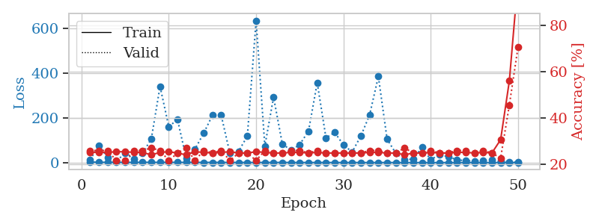
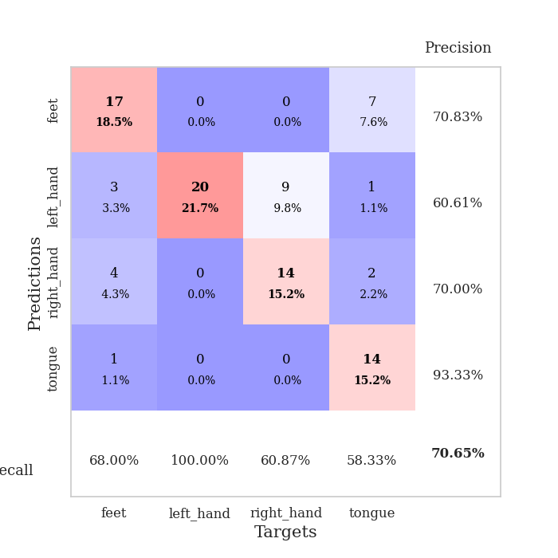
train_loss | valid_loss | train_accuracy | valid_accuracy | dur | train_misclass | valid_misclass
2.7924630383 | 13.69424227 | 0.2527173913 | 0.26086956522 | 0.10610342026 | 25.27173913 | 26.086956522
1.4357342254 | 75.688346863 | 0.2527173913 | 0.26086956522 | 0.10914444923 | 25.27173913 | 26.086956522
1.3301819874 | 23.399855655 | 0.2527173913 | 0.26086956522 | 0.11045622826 | 25.27173913 | 26.086956522
1.1500358063 | 6.1316950425 | 0.25543478261 | 0.21739130435 | 0.10686850548 | 25.543478261 | 21.739130435
1.0344712916 | 43.424342943 | 0.25543478261 | 0.21739130435 | 0.10959410667 | 25.543478261 | 21.739130435
1.0535417044 | 14.296646574 | 0.2527173913 | 0.26086956522 | 0.10916376114 | 25.27173913 | 26.086956522
1.2796895737 | 41.961202041 | 0.2527173913 | 0.26086956522 | 0.10334706306 | 25.27173913 | 26.086956522
1.2157111064 | 106.14085687 | 0.24184782609 | 0.27173913043 | 0.10057020187 | 24.184782609 | 27.173913043
1.0062315464 | 340.86826225 | 0.2527173913 | 0.26086956522 | 0.1028945446 | 25.27173913 | 26.086956522
1.2175068803 | 160.86344114 | 0.25543478261 | 0.21739130435 | 0.10304880142 | 25.543478261 | 21.739130435
1.0537936143 | 192.55381377 | 0.25 | 0.25 | 0.10846757889 | 25 | 25
0.93149045758 | 18.375217935 | 0.24184782609 | 0.27173913043 | 0.11122298241 | 24.184782609 | 27.173913043
0.9369117799 | 60.589472232 | 0.25543478261 | 0.21739130435 | 0.10609912872 | 25.543478261 | 21.739130435
0.8008275032 | 131.51756718 | 0.2527173913 | 0.26086956522 | 0.10228681564 | 25.27173913 | 26.086956522
0.82038749171 | 211.98115805 | 0.25 | 0.25 | 0.11466956139 | 25 | 25
0.8116023398 | 212.20983555 | 0.2527173913 | 0.26086956522 | 0.10789489746 | 25.27173913 | 26.086956522
0.71926135473 | 41.266007133 | 0.25543478261 | 0.21739130435 | 0.10273170471 | 25.543478261 | 21.739130435
0.62198816823 | 50.761594524 | 0.25 | 0.25 | 0.10424113274 | 25 | 25
0.59836498162 | 118.93466485 | 0.25 | 0.25 | 0.10705518723 | 25 | 25
0.65666099476 | 635.6099827 | 0.25543478261 | 0.21739130435 | 0.10776042938 | 25.543478261 | 21.739130435
0.50443178351 | 73.723950759 | 0.2527173913 | 0.26086956522 | 0.11173939705 | 25.27173913 | 26.086956522
0.5958943976 | 292.73592211 | 0.25 | 0.25 | 0.10938119888 | 25 | 25
0.59036225988 | 84.132127181 | 0.25 | 0.25 | 0.11150383949 | 25 | 25
0.41652156283 | 54.552007426 | 0.2527173913 | 0.26086956522 | 0.11376452446 | 25.27173913 | 26.086956522
0.37686965582 | 80.984208148 | 0.2527173913 | 0.26086956522 | 0.10881733894 | 25.27173913 | 26.086956522
0.39007576685 | 141.12237383 | 0.25 | 0.25 | 0.1035785675 | 25 | 25
0.37453516022 | 357.22434799 | 0.2527173913 | 0.26086956522 | 0.10619878769 | 25.27173913 | 26.086956522
0.35953230054 | 110.93241716 | 0.25 | 0.25 | 0.10995006561 | 25 | 25
0.2386038173 | 134.86227815 | 0.25 | 0.25 | 0.11391425133 | 25 | 25
0.22394103201 | 79.313018799 | 0.25 | 0.25 | 0.10510230064 | 25 | 25
0.25831651007 | 47.467024264 | 0.25 | 0.25 | 0.10655832291 | 25 | 25
0.2034654329 | 119.44846079 | 0.25 | 0.25 | 0.10128569603 | 25 | 25
0.2029901432 | 213.55942834 | 0.2527173913 | 0.26086956522 | 0.10282850266 | 25.27173913 | 26.086956522
0.24313768842 | 385.62621274 | 0.2527173913 | 0.26086956522 | 0.10751152039 | 25.27173913 | 26.086956522
0.25675381931 | 104.92799278 | 0.25 | 0.25 | 0.10391902924 | 25 | 25
0.15837697847 | 41.722714714 | 0.25 | 0.25 | 0.10546731949 | 25 | 25
0.16378740869 | 12.598113516 | 0.24184782609 | 0.27173913043 | 0.11238861084 | 24.184782609 | 27.173913043
0.12745465889 | 15.807110621 | 0.25 | 0.25 | 0.10675477982 | 25 | 25
0.093504150763 | 68.275569916 | 0.25 | 0.25 | 0.10529088974 | 25 | 25
0.11533075693 | 12.560266951 | 0.2527173913 | 0.26086956522 | 0.10049939156 | 25.27173913 | 26.086956522
0.11045870112 | 36.757237227 | 0.25 | 0.25 | 0.11163711548 | 25 | 25
0.081383038434 | 25.844504066 | 0.25 | 0.25 | 0.11052012444 | 25 | 25
0.10101913843 | 13.27372128 | 0.2527173913 | 0.26086956522 | 0.11010241508 | 25.27173913 | 26.086956522
0.074462235197 | 7.7560616162 | 0.2527173913 | 0.26086956522 | 0.10399913788 | 25.27173913 | 26.086956522
0.089503030151 | 7.3516896911 | 0.25 | 0.25 | 0.10287976265 | 25 | 25
0.11715197008 | 9.9356630159 | 0.2527173913 | 0.26086956522 | 0.10663151741 | 25.27173913 | 26.086956522
0.068515207497 | 11.050930687 | 0.25 | 0.25 | 0.10194277763 | 25 | 25
0.12078230962 | 4.9997940063 | 0.30706521739 | 0.22826086957 | 0.10227155685 | 30.706521739 | 22.826086957
0.085745133176 | 3.8772744303 | 0.5597826087 | 0.45652173913 | 0.11040496826 | 55.97826087 | 45.652173913
0.085093283418 | 1.0220183963 | 1 | 0.70652173913 | 0.10433506966 | 100 | 70.652173913

Best Val accuracy is 0.7065217391304348 and Best test accuracy is 0.6637931034482759

Sheet3
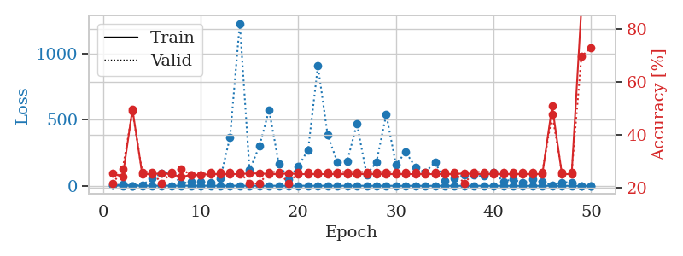
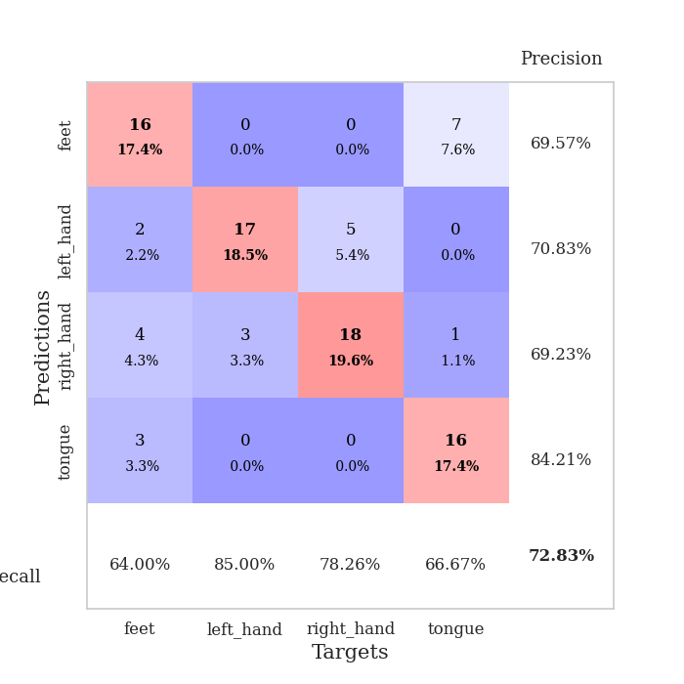
train_loss | valid_loss | train_accuracy | valid_accuracy | dur | train_misclass | valid_misclass
2.8857478862 | 2.3809459676 | 0.25543478261 | 0.21739130435 | 0.10387015343 | 25.543478261 | 21.739130435
1.2705581784 | 10.423866935 | 0.24184782609 | 0.27173913043 | 0.099188327789 | 24.184782609 | 27.173913043
1.0988642522 | 1.4087543539 | 0.4972826087 | 0.48913043478 | 0.10629105568 | 49.72826087 | 48.913043478
1.1485630481 | 6.7733640256 | 0.2527173913 | 0.26086956522 | 0.10408759117 | 25.27173913 | 26.086956522
0.9390861081 | 54.271519702 | 0.2527173913 | 0.26086956522 | 0.10177373886 | 25.27173913 | 26.086956522
1.0246588912 | 97.646527829 | 0.25543478261 | 0.21739130435 | 0.10746359825 | 25.543478261 | 21.739130435
1.0390031105 | 97.160677703 | 0.2527173913 | 0.26086956522 | 0.10389494896 | 25.27173913 | 26.086956522
1.0471213926 | 16.157701948 | 0.24184782609 | 0.27173913043 | 0.10264229774 | 24.184782609 | 27.173913043
1.1115145009 | 31.537836987 | 0.25 | 0.25 | 0.11235022545 | 25 | 25
0.96632615639 | 29.915702488 | 0.25 | 0.25 | 0.10562133789 | 25 | 25
0.86358570275 | 21.017346175 | 0.2527173913 | 0.26086956522 | 0.10728979111 | 25.27173913 | 26.086956522
0.91012633624 | 53.9375272 | 0.2527173913 | 0.26086956522 | 0.10063266754 | 25.27173913 | 26.086956522
0.84648127271 | 368.10263062 | 0.2527173913 | 0.26086956522 | 0.10386252403 | 25.27173913 | 26.086956522
0.8939702148 | 1226.4376751 | 0.2527173913 | 0.26086956522 | 0.10091304779 | 25.27173913 | 26.086956522
0.76462349425 | 118.12001336 | 0.25543478261 | 0.21739130435 | 0.10301566124 | 25.543478261 | 21.739130435
0.70275872687 | 298.59457663 | 0.25543478261 | 0.21739130435 | 0.11051607132 | 25.543478261 | 21.739130435
0.67690265049 | 572.44559645 | 0.2527173913 | 0.26086956522 | 0.10689806938 | 25.27173913 | 26.086956522
0.61483393804 | 164.83717612 | 0.2527173913 | 0.26086956522 | 0.10754489899 | 25.27173913 | 26.086956522
0.699479635 | 52.032795118 | 0.25543478261 | 0.21739130435 | 0.11081528664 | 25.543478261 | 21.739130435
0.75497265678 | 147.90421063 | 0.2527173913 | 0.26086956522 | 0.10150313377 | 25.27173913 | 26.086956522
0.61842511206 | 272.3010579 | 0.2527173913 | 0.26086956522 | 0.10114216805 | 25.27173913 | 26.086956522
0.56136541133 | 906.06260615 | 0.2527173913 | 0.26086956522 | 0.099836111069 | 25.27173913 | 26.086956522
0.58023837079 | 383.60802559 | 0.2527173913 | 0.26086956522 | 0.10205793381 | 25.27173913 | 26.086956522
0.48084787765 | 177.59786523 | 0.2527173913 | 0.26086956522 | 0.11598873138 | 25.27173913 | 26.086956522
0.43866611758 | 185.98834229 | 0.2527173913 | 0.26086956522 | 0.11241197586 | 25.27173913 | 26.086956522
0.51204562446 | 468.22350013 | 0.2527173913 | 0.26086956522 | 0.11824512482 | 25.27173913 | 26.086956522
0.51702705868 | 82.709253394 | 0.2527173913 | 0.26086956522 | 0.11068511009 | 25.27173913 | 26.086956522
0.36717329984 | 180.8058737 | 0.2527173913 | 0.26086956522 | 0.11058545113 | 25.27173913 | 26.086956522
0.31925048193 | 538.21291716 | 0.2527173913 | 0.26086956522 | 0.11526656151 | 25.27173913 | 26.086956522
0.28490807148 | 160.58077207 | 0.2527173913 | 0.26086956522 | 0.10601830482 | 25.27173913 | 26.086956522
0.24430736171 | 255.86743562 | 0.2527173913 | 0.26086956522 | 0.11420798302 | 25.27173913 | 26.086956522
0.28522761652 | 139.09916422 | 0.2527173913 | 0.26086956522 | 0.10570025444 | 25.27173913 | 26.086956522
0.23013979618 | 101.91837344 | 0.2527173913 | 0.26086956522 | 0.10050630569 | 25.27173913 | 26.086956522
0.1666087871 | 179.57563317 | 0.2527173913 | 0.26086956522 | 0.10374403 | 25.27173913 | 26.086956522
0.17715490739 | 34.64739078 | 0.2527173913 | 0.26086956522 | 0.099736452103 | 25.27173913 | 26.086956522
0.1947275818 | 54.493698618 | 0.2527173913 | 0.26086956522 | 0.10220766068 | 25.27173913 | 26.086956522
0.16197401042 | 82.265289307 | 0.25543478261 | 0.21739130435 | 0.11063814163 | 25.543478261 | 21.739130435
0.1421660987 | 80.042502694 | 0.2527173913 | 0.26086956522 | 0.11137223244 | 25.27173913 | 26.086956522
0.13143951324 | 72.602466749 | 0.2527173913 | 0.26086956522 | 0.10737156868 | 25.27173913 | 26.086956522
0.12807260336 | 103.95772154 | 0.2527173913 | 0.26086956522 | 0.10180902481 | 25.27173913 | 26.086956522
0.088688153146 | 33.279464224 | 0.2527173913 | 0.26086956522 | 0.10479211807 | 25.27173913 | 26.086956522
0.12475688189 | 48.564416802 | 0.2527173913 | 0.26086956522 | 0.10828518867 | 25.27173913 | 26.086956522
0.099018032501 | 21.085016416 | 0.2527173913 | 0.26086956522 | 0.10301995277 | 25.27173913 | 26.086956522
0.1003989834 | 51.361997521 | 0.2527173913 | 0.26086956522 | 0.10599708557 | 25.27173913 | 26.086956522
0.06849468544 | 28.516344236 | 0.2527173913 | 0.26086956522 | 0.10653996468 | 25.27173913 | 26.086956522
0.08108361523 | 2.7701253891 | 0.50815217391 | 0.47826086957 | 0.10516738892 | 50.815217391 | 47.826086957
0.074135193844 | 27.3042712 | 0.2527173913 | 0.26086956522 | 0.09986281395 | 25.27173913 | 26.086956522
0.083281324286 | 25.397066116 | 0.2527173913 | 0.26086956522 | 0.10478973389 | 25.27173913 | 26.086956522
0.080476215555 | 1.0882155895 | 0.88043478261 | 0.69565217391 | 0.1118144989 | 88.043478261 | 69.565217391
0.094078092876 | 0.7874063668 | 1 | 0.72826086957 | 0.11311340332 | 100 | 72.826086957

Best Val accuracy is 0.7282608695652174 and Best test accuracy is 0.7327586206896551

Sheet4
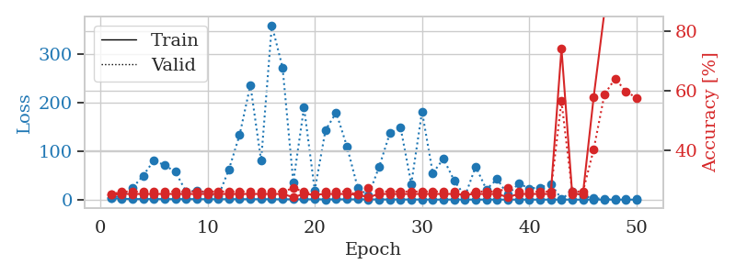
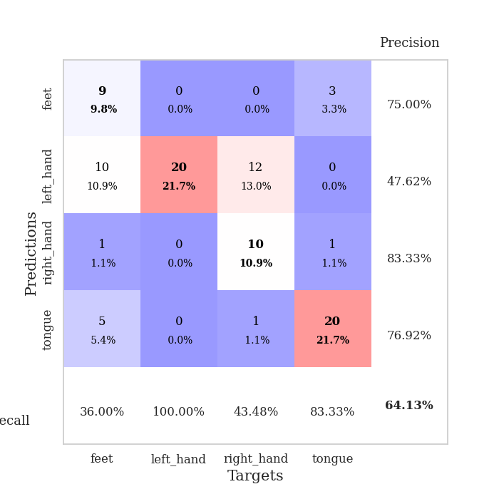
train_loss | valid_loss | train_accuracy | valid_accuracy | dur | train_misclass | valid_misclass
2.6461371339 | 4.2612465879 | 0.25 | 0.25 | 0.10527133942 | 25 | 25
1.8655107851 | 7.4944091258 | 0.2527173913 | 0.26086956522 | 0.1000623703 | 25.27173913 | 26.086956522
1.1117209222 | 23.705598499 | 0.2527173913 | 0.26086956522 | 0.10052037239 | 25.27173913 | 26.086956522
1.2349456004 | 49.27110871 | 0.2527173913 | 0.26086956522 | 0.10902166367 | 25.27173913 | 26.086956522
1.1619096735 | 80.42548503 | 0.2527173913 | 0.26086956522 | 0.10548067093 | 25.27173913 | 26.086956522
1.0878234065 | 70.945387135 | 0.2527173913 | 0.26086956522 | 0.10221934319 | 25.27173913 | 26.086956522
1.0460179707 | 57.338994068 | 0.2527173913 | 0.26086956522 | 0.11622714996 | 25.27173913 | 26.086956522
1.0978548527 | 17.006974925 | 0.2527173913 | 0.26086956522 | 0.11153888702 | 25.27173913 | 26.086956522
1.0274116086 | 18.587921516 | 0.2527173913 | 0.26086956522 | 0.10726237297 | 25.27173913 | 26.086956522
0.93011372893 | 13.894034303 | 0.2527173913 | 0.26086956522 | 0.11210203171 | 25.27173913 | 26.086956522
0.95065612897 | 6.5012587879 | 0.2527173913 | 0.26086956522 | 0.10268902779 | 25.27173913 | 26.086956522
0.92467840858 | 62.228161356 | 0.2527173913 | 0.26086956522 | 0.10297250748 | 25.27173913 | 26.086956522
0.96422434371 | 133.67943175 | 0.2527173913 | 0.26086956522 | 0.10421490669 | 25.27173913 | 26.086956522
0.850179807 | 235.7472302 | 0.2527173913 | 0.26086956522 | 0.11012887955 | 25.27173913 | 26.086956522
0.92560781344 | 79.969648278 | 0.2527173913 | 0.26086956522 | 0.10118532181 | 25.27173913 | 26.086956522
0.76067426412 | 358.9723179 | 0.2527173913 | 0.26086956522 | 0.10825753212 | 25.27173913 | 26.086956522
0.70080460543 | 271.92595639 | 0.2527173913 | 0.26086956522 | 0.10937547684 | 25.27173913 | 26.086956522
0.67405937418 | 35.791640406 | 0.24184782609 | 0.27173913043 | 0.10227632523 | 24.184782609 | 27.173913043
0.70529473605 | 189.98684361 | 0.2527173913 | 0.26086956522 | 0.112003088 | 25.27173913 | 26.086956522
0.67499488657 | 19.106963697 | 0.25 | 0.25 | 0.11716389656 | 25 | 25
0.51129053792 | 142.92351831 | 0.2527173913 | 0.26086956522 | 0.10806775093 | 25.27173913 | 26.086956522
0.62641609363 | 179.09273297 | 0.2527173913 | 0.26086956522 | 0.10583329201 | 25.27173913 | 26.086956522
0.51575482799 | 109.60086325 | 0.2527173913 | 0.26086956522 | 0.10278344154 | 25.27173913 | 26.086956522
0.5179029755 | 25.011379988 | 0.25 | 0.25 | 0.10656857491 | 25 | 25
0.48568207479 | 8.1337536314 | 0.24184782609 | 0.27173913043 | 0.10276389122 | 24.184782609 | 27.173913043
0.44413928202 | 67.52555134 | 0.2527173913 | 0.26086956522 | 0.10252475739 | 25.27173913 | 26.086956522
0.33857326663 | 136.4412729 | 0.2527173913 | 0.26086956522 | 0.103972435 | 25.27173913 | 26.086956522
0.3411451685 | 148.20250602 | 0.2527173913 | 0.26086956522 | 0.11257505417 | 25.27173913 | 26.086956522
0.31788998583 | 32.307671671 | 0.2527173913 | 0.26086956522 | 0.10420680046 | 25.27173913 | 26.086956522
0.25803875988 | 181.14156043 | 0.2527173913 | 0.26086956522 | 0.10994505882 | 25.27173913 | 26.086956522
0.19308836629 | 54.699338332 | 0.2527173913 | 0.26086956522 | 0.10711193085 | 25.27173913 | 26.086956522
0.17924714396 | 83.981689121 | 0.2527173913 | 0.26086956522 | 0.10209059715 | 25.27173913 | 26.086956522
0.17330066795 | 39.32050141 | 0.2527173913 | 0.26086956522 | 0.10252928734 | 25.27173913 | 26.086956522
0.18939343678 | 6.7283980328 | 0.25 | 0.25 | 0.10671901703 | 25 | 25
0.12813129146 | 68.19922837 | 0.2527173913 | 0.26086956522 | 0.10576033592 | 25.27173913 | 26.086956522
0.1225977157 | 20.947913211 | 0.2527173913 | 0.26086956522 | 0.10067558289 | 25.27173913 | 26.086956522
0.14076075168 | 42.37554318 | 0.2527173913 | 0.26086956522 | 0.11237549782 | 25.27173913 | 26.086956522
0.10504404455 | 10.002054546 | 0.24184782609 | 0.27173913043 | 0.10274529457 | 24.184782609 | 27.173913043
0.14685571987 | 33.081200724 | 0.2527173913 | 0.26086956522 | 0.10317969322 | 25.27173913 | 26.086956522
0.10064772209 | 23.080047027 | 0.2527173913 | 0.26086956522 | 0.110486269 | 25.27173913 | 26.086956522
0.093554654726 | 24.893625094 | 0.2527173913 | 0.26086956522 | 0.11001896858 | 25.27173913 | 26.086956522
0.11235235631 | 32.274697345 | 0.2527173913 | 0.26086956522 | 0.10707354546 | 25.27173913 | 26.086956522
0.10629921285 | 1.7163297093 | 0.74184782609 | 0.5652173913 | 0.10405993462 | 74.184782609 | 56.52173913
0.087050008466 | 16.660205261 | 0.2527173913 | 0.26086956522 | 0.1062502861 | 25.27173913 | 26.086956522
0.10611244907 | 7.4054226461 | 0.2527173913 | 0.26086956522 | 0.11009526253 | 25.27173913 | 26.086956522
0.070907565077 | 3.0115331671 | 0.57880434783 | 0.40217391304 | 0.10296344757 | 57.880434783 | 40.217391304
0.10834206471 | 1.4846980727 | 0.86413043478 | 0.58695652174 | 0.098655939102 | 86.413043478 | 58.695652174
0.061144162617 | 1.1605051134 | 0.98097826087 | 0.64130434783 | 0.10094070435 | 98.097826087 | 64.130434783
0.085630070368 | 1.1754226425 | 0.98913043478 | 0.59782608696 | 0.10945177078 | 98.913043478 | 59.782608696
0.077346976846 | 1.2991532709 | 0.99184782609 | 0.57608695652 | 0.1103053093 | 99.184782609 | 57.608695652

Best Val accuracy is 0.6413043478260869 and Best test accuracy is 0.6293103448275862

Sheet5
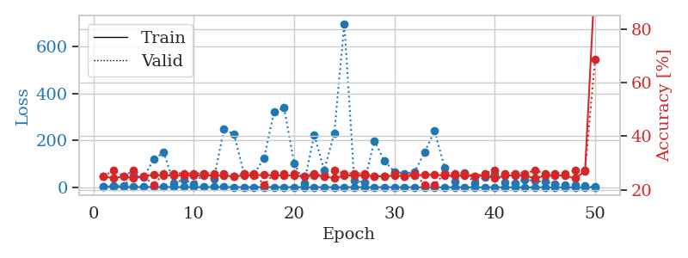
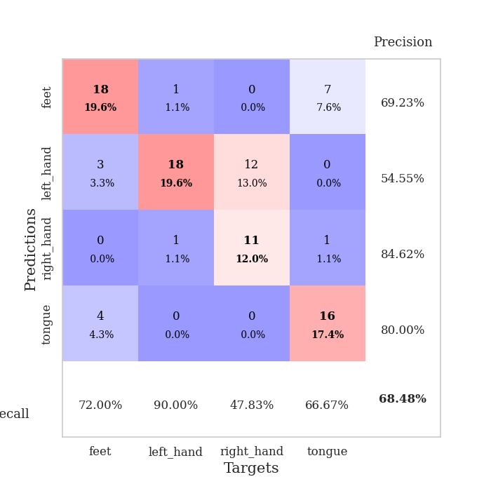
train_loss | valid_loss | train_accuracy | valid_accuracy | dur | train_misclass | valid_misclass
2.7009108248 | 3.1076639735 | 0.25 | 0.25 | 0.10253429413 | 25 | 25
1.490319677 | 5.0775160375 | 0.24184782609 | 0.27173913043 | 0.099663972855 | 24.184782609 | 27.173913043
1.2057046838 | 6.9554295125 | 0.25 | 0.25 | 0.099750041962 | 25 | 25
1.17725512 | 49.327756799 | 0.24184782609 | 0.27173913043 | 0.10077834129 | 24.184782609 | 27.173913043
1.1247694026 | 42.388961626 | 0.25 | 0.25 | 0.10282421112 | 25 | 25
1.0916059069 | 120.1178758 | 0.25543478261 | 0.21739130435 | 0.10129261017 | 25.543478261 | 21.739130435
1.1579088128 | 147.99934719 | 0.2527173913 | 0.26086956522 | 0.10740923882 | 25.27173913 | 26.086956522
1.0526522839 | 19.001492459 | 0.2527173913 | 0.26086956522 | 0.10756373405 | 25.27173913 | 26.086956522
1.0270632635 | 32.575768844 | 0.2527173913 | 0.26086956522 | 0.10898852348 | 25.27173913 | 26.086956522
0.97665937051 | 14.830096742 | 0.2527173913 | 0.26086956522 | 0.1049759388 | 25.27173913 | 26.086956522
1.1482417881 | 57.888404017 | 0.2527173913 | 0.26086956522 | 0.10319328308 | 25.27173913 | 26.086956522
0.94898791676 | 33.997647078 | 0.2527173913 | 0.26086956522 | 0.1103978157 | 25.27173913 | 26.086956522
0.96291213709 | 248.26872452 | 0.2527173913 | 0.26086956522 | 0.10022997856 | 25.27173913 | 26.086956522
0.82504359795 | 225.86053268 | 0.25 | 0.25 | 0.10043382645 | 25 | 25
0.81447110617 | 58.251006417 | 0.2527173913 | 0.26086956522 | 0.10952067375 | 25.27173913 | 26.086956522
0.80926151898 | 54.657911052 | 0.2527173913 | 0.26086956522 | 0.10145616531 | 25.27173913 | 26.086956522
0.85736345338 | 125.52751624 | 0.25543478261 | 0.21739130435 | 0.1082174778 | 25.543478261 | 21.739130435
0.86780932546 | 322.54570604 | 0.2527173913 | 0.26086956522 | 0.1005051136 | 25.27173913 | 26.086956522
0.7170108466 | 339.64631852 | 0.2527173913 | 0.26086956522 | 0.10659360886 | 25.27173913 | 26.086956522
0.66173177828 | 102.7791957 | 0.2527173913 | 0.26086956522 | 0.10880470276 | 25.27173913 | 26.086956522
0.58368323679 | 19.257514539 | 0.25 | 0.25 | 0.10740590096 | 25 | 25
0.61979476136 | 223.62439562 | 0.2527173913 | 0.26086956522 | 0.10175704956 | 25.27173913 | 26.086956522
0.52025399066 | 73.152559032 | 0.25 | 0.25 | 0.10256409645 | 25 | 25
0.45638449555 | 230.55348736 | 0.24184782609 | 0.27173913043 | 0.10906028748 | 24.184782609 | 27.173913043
0.52202180546 | 698.21173892 | 0.2527173913 | 0.26086956522 | 0.10183811188 | 25.27173913 | 26.086956522
0.39641785557 | 26.7644378 | 0.2527173913 | 0.26086956522 | 0.10992980003 | 25.27173913 | 26.086956522
0.44281994017 | 21.587516702 | 0.2527173913 | 0.26086956522 | 0.10809493065 | 25.27173913 | 26.086956522
0.42035674271 | 198.92357801 | 0.25 | 0.25 | 0.11052536964 | 25 | 25
0.3645409919 | 111.71317092 | 0.25 | 0.25 | 0.11008763313 | 25 | 25
0.27397744487 | 66.882878179 | 0.2527173913 | 0.26086956522 | 0.10560178757 | 25.27173913 | 26.086956522
0.26396818572 | 59.123606806 | 0.25 | 0.25 | 0.10827541351 | 25 | 25
0.20421464514 | 65.017633355 | 0.2527173913 | 0.26086956522 | 0.10663580894 | 25.27173913 | 26.086956522
0.17861372411 | 149.07194784 | 0.25543478261 | 0.21739130435 | 0.10171127319 | 25.543478261 | 21.739130435
0.20015916131 | 240.54716956 | 0.25543478261 | 0.21739130435 | 0.11030602455 | 25.543478261 | 21.739130435
0.22004460365 | 84.592315342 | 0.2527173913 | 0.26086956522 | 0.10829138756 | 25.27173913 | 26.086956522
0.16042407205 | 26.21881286 | 0.2527173913 | 0.26086956522 | 0.11254501343 | 25.27173913 | 26.086956522
0.19609936416 | 63.217679065 | 0.2527173913 | 0.26086956522 | 0.10968804359 | 25.27173913 | 26.086956522
0.14566156778 | 17.54717321 | 0.25 | 0.25 | 0.11430478096 | 25 | 25
0.11447853891 | 44.548292575 | 0.2527173913 | 0.26086956522 | 0.10069966316 | 25.27173913 | 26.086956522
0.10365308279 | 54.125391089 | 0.24184782609 | 0.27173913043 | 0.10290431976 | 24.184782609 | 27.173913043
0.14167478017 | 22.393389743 | 0.2527173913 | 0.26086956522 | 0.1050453186 | 25.27173913 | 26.086956522
0.1047793954 | 16.989286837 | 0.2527173913 | 0.26086956522 | 0.1048207283 | 25.27173913 | 26.086956522
0.11426121584 | 33.449554609 | 0.2527173913 | 0.26086956522 | 0.1012840271 | 25.27173913 | 26.086956522
0.089712352897 | 26.833761132 | 0.24184782609 | 0.27173913043 | 0.10215067863 | 24.184782609 | 27.173913043
0.08820644185 | 23.534073291 | 0.2527173913 | 0.26086956522 | 0.10528159142 | 25.27173913 | 26.086956522
0.085984738868 | 14.939963258 | 0.2527173913 | 0.26086956522 | 0.10359787941 | 25.27173913 | 26.086956522
0.074942937728 | 11.708565214 | 0.2527173913 | 0.26086956522 | 0.10124945641 | 25.27173913 | 26.086956522
0.082082367948 | 9.5670749001 | 0.24184782609 | 0.27173913043 | 0.11364865303 | 24.184782609 | 27.173913043
0.073168635044 | 7.1048066927 | 0.26902173913 | 0.27173913043 | 0.10643291473 | 26.902173913 | 27.173913043
0.089383130448 | 1.0950809095 | 0.9972826087 | 0.6847826087 | 0.10864782333 | 99.72826087 | 68.47826087

Best Val accuracy is 0.6847826086956522 and Best test accuracy is 0.7068965517241379

Sheet6
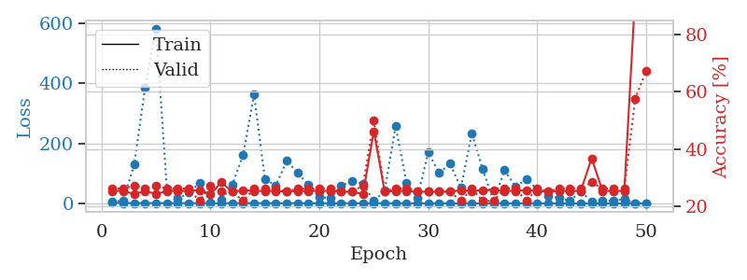
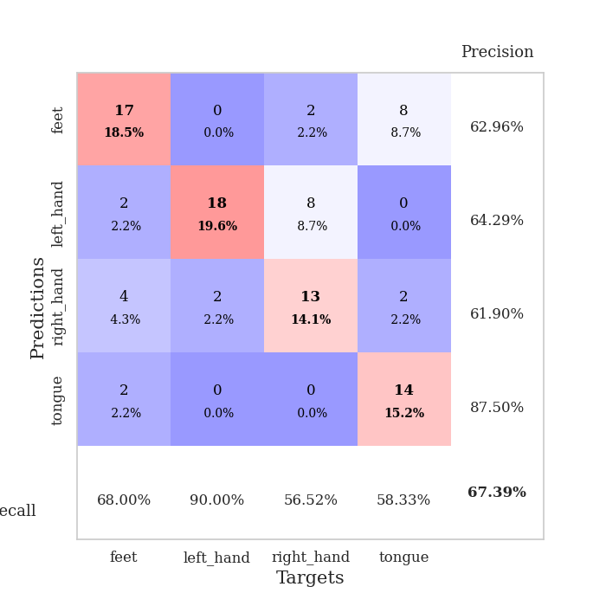
train_loss | valid_loss | train_accuracy | valid_accuracy | dur | train_misclass | valid_misclass
3.1091851877 | 5.1377231349 | 0.2527173913 | 0.26086956522 | 0.10242486 | 25.27173913 | 26.086956522
1.3296367241 | 10.127906053 | 0.2527173913 | 0.26086956522 | 0.10713720322 | 25.27173913 | 26.086956522
1.3792357885 | 130.01293481 | 0.24184782609 | 0.27173913043 | 0.10435342789 | 24.184782609 | 27.173913043
1.2311329738 | 386.28344063 | 0.2527173913 | 0.26086956522 | 0.10402655602 | 25.27173913 | 26.086956522
1.0582546151 | 579.10284689 | 0.24184782609 | 0.27173913043 | 0.11306262016 | 24.184782609 | 27.173913043
1.3842712071 | 45.985544122 | 0.2527173913 | 0.26086956522 | 0.12117362022 | 25.27173913 | 26.086956522
1.0684214027 | 14.179281442 | 0.2527173913 | 0.26086956522 | 0.10156726837 | 25.27173913 | 26.086956522
1.03656339 | 35.870207579 | 0.2527173913 | 0.26086956522 | 0.1056201458 | 25.27173913 | 26.086956522
1.1192403876 | 67.602443861 | 0.25543478261 | 0.21739130435 | 0.11111140251 | 25.543478261 | 21.739130435
0.98511530005 | 3.7592014437 | 0.24184782609 | 0.27173913043 | 0.10120868683 | 24.184782609 | 27.173913043
0.94841723079 | 12.449836565 | 0.28260869565 | 0.25 | 0.1093480587 | 28.260869565 | 25
1.0580455713 | 61.987364893 | 0.25 | 0.25 | 0.1053044796 | 25 | 25
0.88300157371 | 161.95367233 | 0.25543478261 | 0.21739130435 | 0.10845732689 | 25.543478261 | 21.739130435
0.80420253199 | 361.66714212 | 0.2527173913 | 0.26086956522 | 0.10656833649 | 25.27173913 | 26.086956522
0.91123968622 | 81.824110612 | 0.2527173913 | 0.26086956522 | 0.10538196564 | 25.27173913 | 26.086956522
0.81297837392 | 58.62490994 | 0.2527173913 | 0.26086956522 | 0.10648822784 | 25.27173913 | 26.086956522
0.91965976357 | 141.41300168 | 0.25 | 0.25 | 0.11021304131 | 25 | 25
0.90293408477 | 102.90817029 | 0.2527173913 | 0.26086956522 | 0.10409712791 | 25.27173913 | 26.086956522
0.83178852693 | 60.769923832 | 0.2527173913 | 0.26086956522 | 0.10487937927 | 25.27173913 | 26.086956522
1.0643884928 | 20.465845274 | 0.2527173913 | 0.26086956522 | 0.11380767822 | 25.27173913 | 26.086956522
0.81856961354 | 18.93472033 | 0.2527173913 | 0.26086956522 | 0.10371088982 | 25.27173913 | 26.086956522
0.77370265515 | 58.321012248 | 0.25 | 0.25 | 0.10514855385 | 25 | 25
0.81281144723 | 75.44949175 | 0.25 | 0.25 | 0.100014925 | 25 | 25
0.7729263513 | 64.958551656 | 0.24184782609 | 0.27173913043 | 0.10080933571 | 24.184782609 | 27.173913043
0.71886815066 | 8.2214119538 | 0.46195652174 | 0.5 | 0.10425186157 | 46.195652174 | 50
0.64471730719 | 42.074021713 | 0.25 | 0.25 | 0.10239291191 | 25 | 25
0.60878111616 | 257.74811587 | 0.2527173913 | 0.26086956522 | 0.10381340981 | 25.27173913 | 26.086956522
0.58762103967 | 69.024708292 | 0.2527173913 | 0.26086956522 | 0.10133051872 | 25.27173913 | 26.086956522
0.58104920906 | 18.742259565 | 0.25 | 0.25 | 0.10529971123 | 25 | 25
0.50704552622 | 170.5503812 | 0.25 | 0.25 | 0.10293221474 | 25 | 25
0.54494860898 | 101.31695822 | 0.25 | 0.25 | 0.11155867577 | 25 | 25
0.47164491078 | 132.33140962 | 0.25 | 0.25 | 0.11051273346 | 25 | 25
0.45206071112 | 51.57350706 | 0.25543478261 | 0.21739130435 | 0.10553264618 | 25.543478261 | 21.739130435
0.38710183229 | 233.79322682 | 0.2527173913 | 0.26086956522 | 0.11079978943 | 25.27173913 | 26.086956522
0.38252724513 | 113.27810503 | 0.25543478261 | 0.21739130435 | 0.10488963127 | 25.543478261 | 21.739130435
0.28204918556 | 7.1299080227 | 0.25543478261 | 0.21739130435 | 0.10140347481 | 25.543478261 | 21.739130435
0.28876121699 | 110.57129835 | 0.2527173913 | 0.26086956522 | 0.11010980606 | 25.27173913 | 26.086956522
0.26374900957 | 55.784161941 | 0.2527173913 | 0.26086956522 | 0.11017107964 | 25.27173913 | 26.086956522
0.23579014805 | 79.477319137 | 0.25543478261 | 0.21739130435 | 0.10360860825 | 25.543478261 | 21.739130435
0.27896665879 | 47.366853299 | 0.2527173913 | 0.26086956522 | 0.10498332977 | 25.27173913 | 26.086956522
0.24149388399 | 24.945302134 | 0.25 | 0.25 | 0.10332512856 | 25 | 25
0.22117442022 | 18.362571758 | 0.2527173913 | 0.26086956522 | 0.10746979713 | 25.27173913 | 26.086956522
0.22786637687 | 8.6773742178 | 0.2527173913 | 0.26086956522 | 0.11178231239 | 25.27173913 | 26.086956522
0.19111994686 | 40.270217398 | 0.2527173913 | 0.26086956522 | 0.10599327087 | 25.27173913 | 26.086956522
0.19390753414 | 6.4318732179 | 0.36684782609 | 0.28260869565 | 0.11599230766 | 36.684782609 | 28.260869565
0.20214544787 | 8.3963271224 | 0.2527173913 | 0.26086956522 | 0.1065223217 | 25.27173913 | 26.086956522
0.19510144708 | 9.3157731761 | 0.2527173913 | 0.26086956522 | 0.10594010353 | 25.27173913 | 26.086956522
0.21402549695 | 14.036132688 | 0.2527173913 | 0.26086956522 | 0.10671472549 | 25.27173913 | 26.086956522
0.16791783824 | 0.88893736445 | 0.9402173913 | 0.57608695652 | 0.10146069527 | 94.02173913 | 57.608695652
0.18397131093 | 0.84401353028 | 0.9972826087 | 0.67391304348 | 0.11190295219 | 99.72826087 | 67.391304348

Best Val accuracy is 0.6739130434782609 and Best test accuracy is 0.6896551724137931

Sheet7
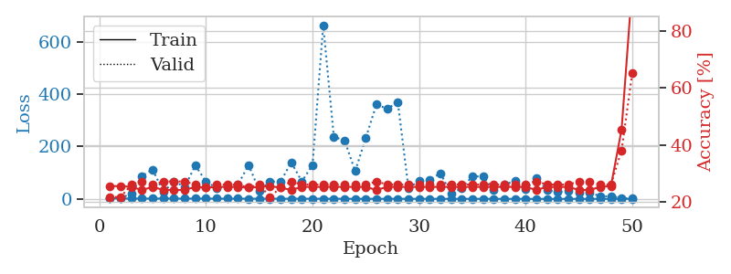
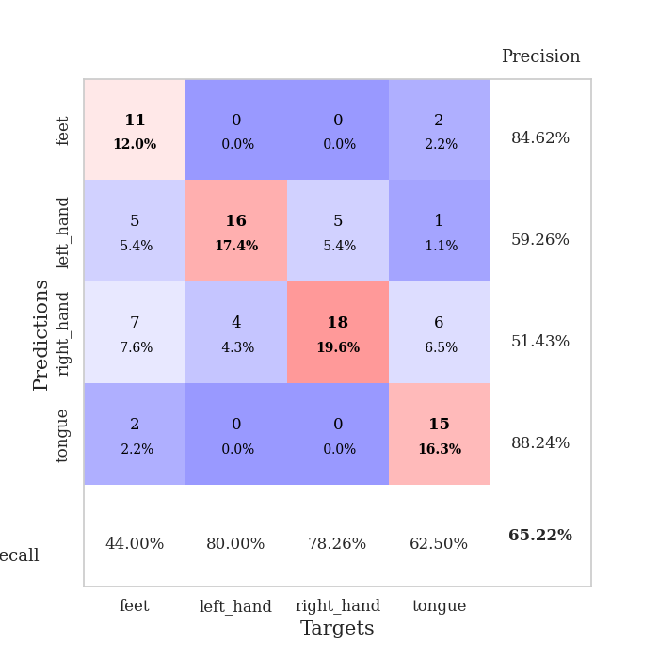
train_loss | valid_loss | train_accuracy | valid_accuracy | dur | train_misclass | valid_misclass
3.3125302532 | 2.6579499763 | 0.25543478261 | 0.21739130435 | 0.10785746574 | 25.543478261 | 21.739130435
1.3864848873 | 3.9316841416 | 0.25543478261 | 0.21739130435 | 0.10382771492 | 25.543478261 | 21.739130435
1.2611627656 | 19.04126951 | 0.2527173913 | 0.26086956522 | 0.099244594574 | 25.27173913 | 26.086956522
1.2019222301 | 86.978635042 | 0.24184782609 | 0.27173913043 | 0.10166144371 | 24.184782609 | 27.173913043
1.1248095217 | 112.19362508 | 0.2527173913 | 0.26086956522 | 0.10431551933 | 25.27173913 | 26.086956522
1.3584543881 | 25.952952509 | 0.24184782609 | 0.27173913043 | 0.10015678406 | 24.184782609 | 27.173913043
1.2295157598 | 66.841055829 | 0.24184782609 | 0.27173913043 | 0.09919667244 | 24.184782609 | 27.173913043
1.1140021915 | 45.987483315 | 0.24184782609 | 0.27173913043 | 0.10208940506 | 24.184782609 | 27.173913043
1.2595409595 | 127.80971759 | 0.2527173913 | 0.26086956522 | 0.11335420609 | 25.27173913 | 26.086956522
1.2069965886 | 66.359126381 | 0.25 | 0.25 | 0.11435055733 | 25 | 25
0.94349471382 | 41.244945194 | 0.2527173913 | 0.26086956522 | 0.10364794731 | 25.27173913 | 26.086956522
0.98559485829 | 47.345266757 | 0.2527173913 | 0.26086956522 | 0.11009883881 | 25.27173913 | 26.086956522
0.89339412295 | 53.990084441 | 0.2527173913 | 0.26086956522 | 0.11135268211 | 25.27173913 | 26.086956522
0.80004417508 | 129.79356749 | 0.25 | 0.25 | 0.10578036308 | 25 | 25
0.75413003434 | 31.296692475 | 0.2527173913 | 0.26086956522 | 0.10223793983 | 25.27173913 | 26.086956522
0.86970000034 | 67.001305456 | 0.25543478261 | 0.21739130435 | 0.11029100418 | 25.543478261 | 21.739130435
0.70493452704 | 65.463441932 | 0.25 | 0.25 | 0.11054301262 | 25 | 25
0.63367423156 | 139.65995921 | 0.24184782609 | 0.27173913043 | 0.10737872124 | 24.184782609 | 27.173913043
0.70933924745 | 66.699180603 | 0.2527173913 | 0.26086956522 | 0.11323666573 | 25.27173913 | 26.086956522
0.59072423824 | 129.87538246 | 0.2527173913 | 0.26086956522 | 0.098315238953 | 25.27173913 | 26.086956522
0.62210137041 | 663.93307893 | 0.2527173913 | 0.26086956522 | 0.1037042141 | 25.27173913 | 26.086956522
0.59096305331 | 236.57169176 | 0.2527173913 | 0.26086956522 | 0.10476350784 | 25.27173913 | 26.086956522
0.42516688711 | 224.13257698 | 0.2527173913 | 0.26086956522 | 0.10523486137 | 25.27173913 | 26.086956522
0.39795824464 | 106.07472329 | 0.2527173913 | 0.26086956522 | 0.10737919807 | 25.27173913 | 26.086956522
0.38232442672 | 232.85114587 | 0.2527173913 | 0.26086956522 | 0.10591602325 | 25.27173913 | 26.086956522
0.35456275486 | 361.71078359 | 0.24184782609 | 0.27173913043 | 0.104834795 | 24.184782609 | 27.173913043
0.36266722984 | 343.55016161 | 0.2527173913 | 0.26086956522 | 0.10353326797 | 25.27173913 | 26.086956522
0.40235242393 | 370.27716463 | 0.2527173913 | 0.26086956522 | 0.10396075249 | 25.27173913 | 26.086956522
0.31105904994 | 41.495233619 | 0.2527173913 | 0.26086956522 | 0.10352230072 | 25.27173913 | 26.086956522
0.23617283854 | 68.691521686 | 0.2527173913 | 0.26086956522 | 0.10298490524 | 25.27173913 | 26.086956522
0.27148680956 | 73.551578853 | 0.2527173913 | 0.26086956522 | 0.1085088253 | 25.27173913 | 26.086956522
0.16767545935 | 97.893085646 | 0.2527173913 | 0.26086956522 | 0.10530495644 | 25.27173913 | 26.086956522
0.25279845581 | 19.275148889 | 0.2527173913 | 0.26086956522 | 0.10580945015 | 25.27173913 | 26.086956522
0.17702124308 | 41.25604049 | 0.2527173913 | 0.26086956522 | 0.10167098045 | 25.27173913 | 26.086956522
0.15638309345 | 85.966982302 | 0.2527173913 | 0.26086956522 | 0.10612368584 | 25.27173913 | 26.086956522
0.17129426498 | 85.952080436 | 0.2527173913 | 0.26086956522 | 0.099618673325 | 25.27173913 | 26.086956522
0.13834243009 | 33.295357663 | 0.2527173913 | 0.26086956522 | 0.10227632523 | 25.27173913 | 26.086956522
0.13585413579 | 54.329788208 | 0.2527173913 | 0.26086956522 | 0.10148382187 | 25.27173913 | 26.086956522
0.10740369307 | 68.998948968 | 0.2527173913 | 0.26086956522 | 0.10392332077 | 25.27173913 | 26.086956522
0.101658365 | 36.165479494 | 0.2527173913 | 0.26086956522 | 0.10518670082 | 25.27173913 | 26.086956522
0.10530848186 | 78.550920901 | 0.24184782609 | 0.27173913043 | 0.099056243896 | 24.184782609 | 27.173913043
0.076666038645 | 32.732398987 | 0.2527173913 | 0.26086956522 | 0.098161935806 | 25.27173913 | 26.086956522
0.081688644283 | 27.120178637 | 0.2527173913 | 0.26086956522 | 0.10146188736 | 25.27173913 | 26.086956522
0.085875092884 | 29.553595584 | 0.2527173913 | 0.26086956522 | 0.10230612755 | 25.27173913 | 26.086956522
0.070222380855 | 22.480182814 | 0.24184782609 | 0.27173913043 | 0.10681700706 | 24.184782609 | 27.173913043
0.077155349412 | 23.977700026 | 0.24184782609 | 0.27173913043 | 0.11133909225 | 24.184782609 | 27.173913043
0.098932982139 | 10.331823473 | 0.2527173913 | 0.26086956522 | 0.10737419128 | 25.27173913 | 26.086956522
0.0879777661 | 9.5408616066 | 0.25543478261 | 0.26086956522 | 0.10717797279 | 25.543478261 | 26.086956522
0.055734683517 | 4.0754383129 | 0.45380434783 | 0.38043478261 | 0.10077738762 | 45.380434783 | 38.043478261
0.083915708627 | 1.1077380802 | 0.95923913043 | 0.65217391304 | 0.098721504211 | 95.923913043 | 65.217391304

Best Val accuracy is 0.6521739130434783 and Best test accuracy is 0.6724137931034483

Sheet8
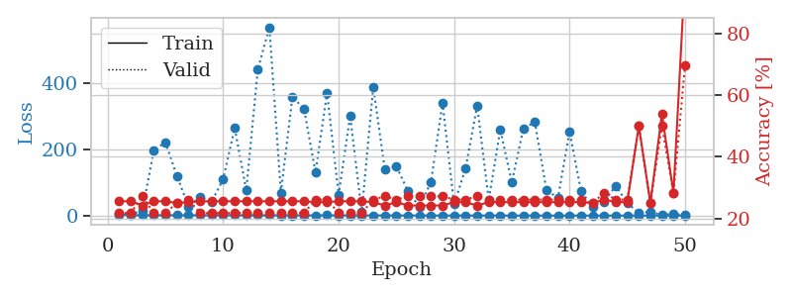
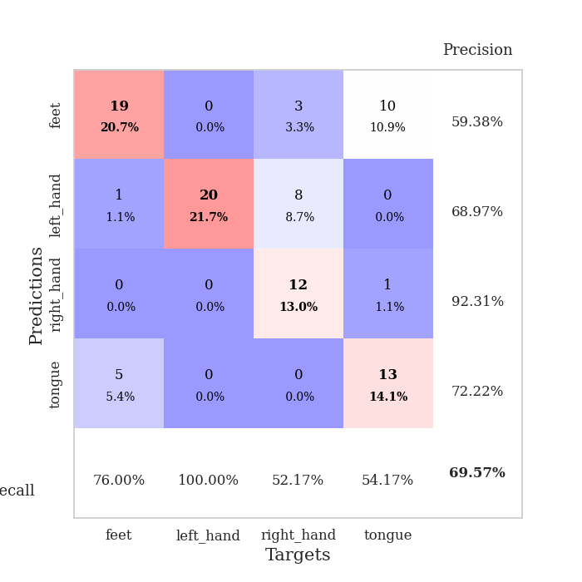
train_loss | valid_loss | train_accuracy | valid_accuracy | dur | train_misclass | valid_misclass
3.4503637034 | 5.2927734748 | 0.25543478261 | 0.21739130435 | 0.098998069763 | 25.543478261 | 21.739130435
1.5105556794 | 3.3207213049 | 0.25543478261 | 0.21739130435 | 0.096826791763 | 25.543478261 | 21.739130435
1.0491615352 | 14.919812327 | 0.24184782609 | 0.27173913043 | 0.096158027649 | 24.184782609 | 27.173913043
0.97733349645 | 197.8172906 | 0.25543478261 | 0.21739130435 | 0.10210227966 | 25.543478261 | 21.739130435
1.1715940704 | 220.92595042 | 0.25543478261 | 0.21739130435 | 0.098319292068 | 25.543478261 | 21.739130435
1.0310558443 | 119.24452409 | 0.25 | 0.25 | 0.10072922707 | 25 | 25
1.0269731335 | 27.680062584 | 0.2527173913 | 0.26086956522 | 0.094403982162 | 25.27173913 | 26.086956522
1.033743397 | 56.505132261 | 0.25543478261 | 0.21739130435 | 0.095132350922 | 25.543478261 | 21.739130435
0.9883525527 | 41.416174847 | 0.25543478261 | 0.21739130435 | 0.095320224762 | 25.543478261 | 21.739130435
1.0720191196 | 110.03527301 | 0.25543478261 | 0.21739130435 | 0.09566116333 | 25.543478261 | 21.739130435
1.0584200465 | 264.65719074 | 0.25543478261 | 0.21739130435 | 0.10309791565 | 25.543478261 | 21.739130435
0.85886728245 | 76.708570066 | 0.25543478261 | 0.21739130435 | 0.10297369957 | 25.543478261 | 21.739130435
0.93716718062 | 440.85423743 | 0.25543478261 | 0.21739130435 | 0.10292124748 | 25.543478261 | 21.739130435
0.91319606356 | 568.80982772 | 0.25543478261 | 0.21739130435 | 0.10273218155 | 25.543478261 | 21.739130435
0.80284662221 | 69.548011116 | 0.25543478261 | 0.21739130435 | 0.09845161438 | 25.543478261 | 21.739130435
0.79324326956 | 358.5856363 | 0.25543478261 | 0.21739130435 | 0.100076437 | 25.543478261 | 21.739130435
0.80338446731 | 322.68419216 | 0.25543478261 | 0.21739130435 | 0.10318136215 | 25.543478261 | 21.739130435
0.8120650066 | 130.54540618 | 0.2527173913 | 0.26086956522 | 0.094721794128 | 25.27173913 | 26.086956522
0.84217687664 | 371.07370924 | 0.2527173913 | 0.26086956522 | 0.098084211349 | 25.27173913 | 26.086956522
0.6439145622 | 62.390455826 | 0.25543478261 | 0.21739130435 | 0.094887256622 | 25.543478261 | 21.739130435
0.65640457817 | 301.14154849 | 0.25543478261 | 0.21739130435 | 0.098066806793 | 25.543478261 | 21.739130435
0.63271303928 | 10.469375942 | 0.25543478261 | 0.21739130435 | 0.10155534744 | 25.543478261 | 21.739130435
0.55564198287 | 388.69162253 | 0.2527173913 | 0.26086956522 | 0.094727754593 | 25.27173913 | 26.086956522
0.56106867738 | 139.53790482 | 0.24184782609 | 0.27173913043 | 0.10171198845 | 24.184782609 | 27.173913043
0.53225165929 | 149.33159671 | 0.2527173913 | 0.26086956522 | 0.09544467926 | 25.27173913 | 26.086956522
0.44443971826 | 73.8823826 | 0.24184782609 | 0.27173913043 | 0.10179448128 | 24.184782609 | 27.173913043
0.47078923233 | 26.384279583 | 0.24184782609 | 0.27173913043 | 0.098002195358 | 24.184782609 | 27.173913043
0.38549084281 | 101.74531887 | 0.24184782609 | 0.27173913043 | 0.098165035248 | 24.184782609 | 27.173913043
0.31907334405 | 340.02700275 | 0.24184782609 | 0.27173913043 | 0.094969272614 | 24.184782609 | 27.173913043
0.37857456027 | 33.778808428 | 0.2527173913 | 0.26086956522 | 0.097905874252 | 25.27173913 | 26.086956522
0.33849573945 | 143.44617495 | 0.2527173913 | 0.26086956522 | 0.09835267067 | 25.27173913 | 26.086956522
0.26055992103 | 331.61364613 | 0.24184782609 | 0.27173913043 | 0.10329723358 | 24.184782609 | 27.173913043
0.29566317748 | 46.675562983 | 0.2527173913 | 0.26086956522 | 0.099298238754 | 25.27173913 | 26.086956522
0.22543139529 | 259.50043521 | 0.2527173913 | 0.26086956522 | 0.10514855385 | 25.27173913 | 26.086956522
0.19177692902 | 100.47131679 | 0.2527173913 | 0.26086956522 | 0.10454845428 | 25.27173913 | 26.086956522
0.21468906671 | 263.12340712 | 0.2527173913 | 0.26086956522 | 0.10451936722 | 25.27173913 | 26.086956522
0.15116733879 | 282.2089114 | 0.2527173913 | 0.26086956522 | 0.10581088066 | 25.27173913 | 26.086956522
0.1673100568 | 76.780819768 | 0.2527173913 | 0.26086956522 | 0.10840988159 | 25.27173913 | 26.086956522
0.12668829687 | 53.818582286 | 0.2527173913 | 0.26086956522 | 0.10234761238 | 25.27173913 | 26.086956522
0.18180636122 | 254.03740924 | 0.2527173913 | 0.26086956522 | 0.10597419739 | 25.27173913 | 26.086956522
0.16864084023 | 73.131500576 | 0.2527173913 | 0.26086956522 | 0.11263298988 | 25.27173913 | 26.086956522
0.12623051424 | 26.38904273 | 0.25 | 0.25 | 0.10660052299 | 25 | 25
0.15620868653 | 42.291027069 | 0.26086956522 | 0.28260869565 | 0.11058545113 | 26.086956522 | 28.260869565
0.099315341562 | 90.191619541 | 0.2527173913 | 0.26086956522 | 0.1027712822 | 25.27173913 | 26.086956522
0.11696701035 | 37.751351896 | 0.2527173913 | 0.26086956522 | 0.10451364517 | 25.27173913 | 26.086956522
0.10347806808 | 7.7120042262 | 0.5 | 0.5 | 0.10055947304 | 50 | 50
0.12053807258 | 11.218178086 | 0.25 | 0.25 | 0.10221409798 | 25 | 25
0.16073798726 | 2.0921501802 | 0.53804347826 | 0.5 | 0.099099159241 | 53.804347826 | 50
0.12028801494 | 5.6307057298 | 0.28260869565 | 0.28260869565 | 0.095314741135 | 28.260869565 | 28.260869565
0.20170934838 | 0.8917389849 | 0.99184782609 | 0.69565217391 | 0.09539604187 | 99.184782609 | 69.565217391

Best Val accuracy is 0.6956521739130435 and Best test accuracy is 0.7758620689655172

Sheet9
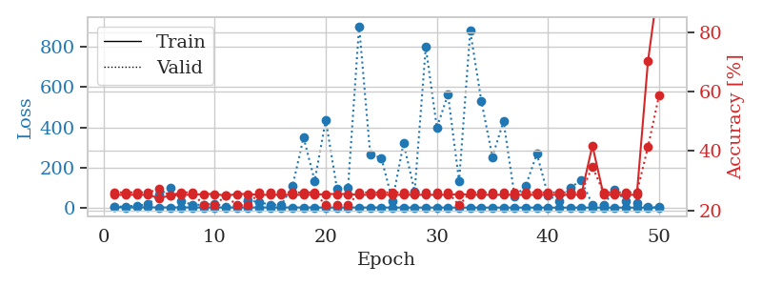
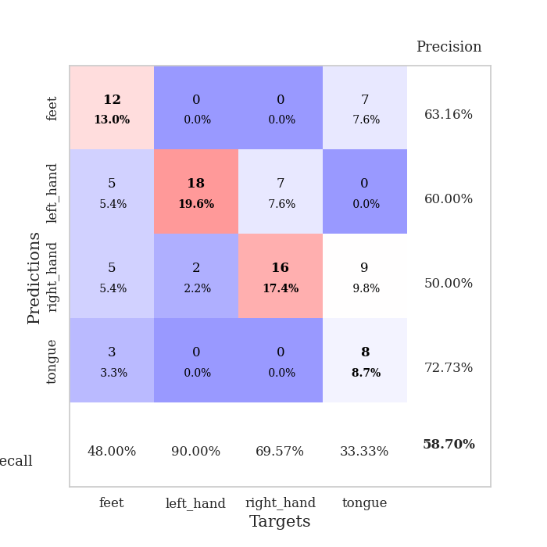
train_loss | valid_loss | train_accuracy | valid_accuracy | dur | train_misclass | valid_misclass
2.8140043539 | 4.3689831132 | 0.2527173913 | 0.26086956522 | 0.11329126358 | 25.27173913 | 26.086956522
1.2174308145 | 5.4818276737 | 0.2527173913 | 0.26086956522 | 0.10550451279 | 25.27173913 | 26.086956522
1.4396363289 | 10.097044737 | 0.2527173913 | 0.26086956522 | 0.11314105988 | 25.27173913 | 26.086956522
1.2263928989 | 15.866436461 | 0.2527173913 | 0.26086956522 | 0.10429430008 | 25.27173913 | 26.086956522
1.0443312448 | 64.169882733 | 0.24184782609 | 0.27173913043 | 0.10672998428 | 24.184782609 | 27.173913043
1.0383066354 | 96.465213941 | 0.25 | 0.25 | 0.1142179966 | 25 | 25
1.1148396614 | 34.100692417 | 0.2527173913 | 0.26086956522 | 0.11097359657 | 25.27173913 | 26.086956522
1.0082906225 | 12.423461043 | 0.2527173913 | 0.26086956522 | 0.10448360443 | 25.27173913 | 26.086956522
1.0494230765 | 15.272659468 | 0.25543478261 | 0.21739130435 | 0.11021518707 | 25.543478261 | 21.739130435
1.0292046537 | 18.799271874 | 0.25543478261 | 0.21739130435 | 0.10788583755 | 25.543478261 | 21.739130435
0.91386755912 | 4.8423707796 | 0.25 | 0.25 | 0.10452985764 | 25 | 25
1.0383829993 | 9.4714813232 | 0.25543478261 | 0.21739130435 | 0.11090111732 | 25.543478261 | 21.739130435
0.8743223833 | 37.13248427 | 0.25543478261 | 0.21739130435 | 0.11161541939 | 25.543478261 | 21.739130435
0.90009324706 | 26.208583915 | 0.2527173913 | 0.26086956522 | 0.11074590683 | 25.27173913 | 26.086956522
0.87718844155 | 14.857720458 | 0.2527173913 | 0.26086956522 | 0.11237072945 | 25.27173913 | 26.086956522
0.88046344467 | 13.100402459 | 0.2527173913 | 0.26086956522 | 0.10962796211 | 25.27173913 | 26.086956522
0.80964869909 | 105.84458459 | 0.2527173913 | 0.26086956522 | 0.10909795761 | 25.27173913 | 26.086956522
0.76185306777 | 348.84621264 | 0.2527173913 | 0.26086956522 | 0.11087751389 | 25.27173913 | 26.086956522
0.71271638248 | 133.5745498 | 0.2527173913 | 0.26086956522 | 0.10639858246 | 25.27173913 | 26.086956522
0.603673519 | 436.32127845 | 0.25543478261 | 0.21739130435 | 0.10741686821 | 25.543478261 | 21.739130435
0.63646616495 | 95.154786815 | 0.25543478261 | 0.21739130435 | 0.10608577728 | 25.543478261 | 21.739130435
0.65535362389 | 99.344208759 | 0.25543478261 | 0.21739130435 | 0.10392069817 | 25.543478261 | 21.739130435
0.64786423808 | 903.36858069 | 0.2527173913 | 0.26086956522 | 0.10829949379 | 25.27173913 | 26.086956522
0.58921509981 | 264.4008046 | 0.2527173913 | 0.26086956522 | 0.10886907578 | 25.27173913 | 26.086956522
0.54300349044 | 247.33621349 | 0.2527173913 | 0.26086956522 | 0.10996508598 | 25.27173913 | 26.086956522
0.46162734278 | 34.066370093 | 0.2527173913 | 0.26086956522 | 0.10826039314 | 25.27173913 | 26.086956522
0.41333757535 | 320.49445509 | 0.2527173913 | 0.26086956522 | 0.10802412033 | 25.27173913 | 26.086956522
0.3859032101 | 80.756121926 | 0.2527173913 | 0.26086956522 | 0.1105427742 | 25.27173913 | 26.086956522
0.34727485737 | 800.12350331 | 0.2527173913 | 0.26086956522 | 0.10794067383 | 25.27173913 | 26.086956522
0.29820943348 | 398.02253657 | 0.2527173913 | 0.26086956522 | 0.10447788239 | 25.27173913 | 26.086956522
0.26190006377 | 563.64602794 | 0.2527173913 | 0.26086956522 | 0.11430573463 | 25.27173913 | 26.086956522
0.27952522687 | 131.04147604 | 0.25543478261 | 0.21739130435 | 0.10944271088 | 25.543478261 | 21.739130435
0.21240974817 | 879.93969727 | 0.2527173913 | 0.26086956522 | 0.10748124123 | 25.27173913 | 26.086956522
0.23254326861 | 531.62995712 | 0.2527173913 | 0.26086956522 | 0.11174488068 | 25.27173913 | 26.086956522
0.2746108738 | 252.78865118 | 0.2527173913 | 0.26086956522 | 0.10461091995 | 25.27173913 | 26.086956522
0.23837360205 | 430.68647169 | 0.2527173913 | 0.26086956522 | 0.11125802994 | 25.27173913 | 26.086956522
0.14963340593 | 55.107622893 | 0.2527173913 | 0.26086956522 | 0.10597205162 | 25.27173913 | 26.086956522
0.28370509912 | 107.89400748 | 0.2527173913 | 0.26086956522 | 0.11231517792 | 25.27173913 | 26.086956522
0.15553694251 | 268.31675787 | 0.2527173913 | 0.26086956522 | 0.1040058136 | 25.27173913 | 26.086956522
0.13230328416 | 62.432849386 | 0.2527173913 | 0.26086956522 | 0.10960435867 | 25.27173913 | 26.086956522
0.11798425958 | 30.184236195 | 0.2527173913 | 0.26086956522 | 0.10543084145 | 25.27173913 | 26.086956522
0.11082450082 | 100.25918844 | 0.2527173913 | 0.26086956522 | 0.11064791679 | 25.27173913 | 26.086956522
0.12333301844 | 134.76964171 | 0.2527173913 | 0.26086956522 | 0.10484433174 | 25.27173913 | 26.086956522
0.12812411315 | 15.326945595 | 0.41847826087 | 0.34782608696 | 0.11051774025 | 41.847826087 | 34.782608696
0.10064049944 | 12.03237405 | 0.2527173913 | 0.26086956522 | 0.11011242867 | 25.27173913 | 26.086956522
0.10877478171 | 91.289766726 | 0.2527173913 | 0.26086956522 | 0.1110265255 | 25.27173913 | 26.086956522
0.086702376766 | 31.631862475 | 0.2527173913 | 0.26086956522 | 0.1125702858 | 25.27173913 | 26.086956522
0.12268895275 | 22.247343063 | 0.2527173913 | 0.26086956522 | 0.11192369461 | 25.27173913 | 26.086956522
0.10597621536 | 2.1933482989 | 0.70108695652 | 0.41304347826 | 0.10739922523 | 70.108695652 | 41.304347826
0.093284488008 | 1.374493148 | 0.97826086957 | 0.58695652174 | 0.10656499863 | 97.826086957 | 58.695652174

Best Val accuracy is 0.5869565217391305 and Best test accuracy is 0.6551724137931034

Sheet10
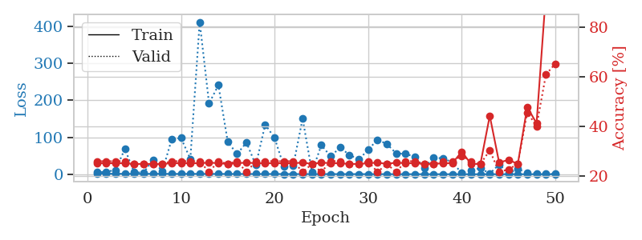
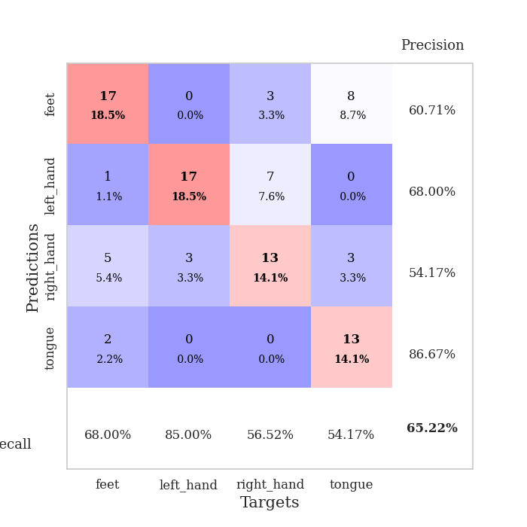
train_loss | valid_loss | train_accuracy | valid_accuracy | dur | train_misclass | valid_misclass
2.5144017106 | 5.2788603409 | 0.2527173913 | 0.26086956522 | 0.10909891129 | 25.27173913 | 26.086956522
1.420895491 | 6.6890256301 | 0.2527173913 | 0.26086956522 | 0.0997402668 | 25.27173913 | 26.086956522
1.4120603903 | 11.377977744 | 0.2527173913 | 0.26086956522 | 0.1001226902 | 25.27173913 | 26.086956522
1.1646928062 | 68.220684217 | 0.2527173913 | 0.26086956522 | 0.10104632378 | 25.27173913 | 26.086956522
1.0836576379 | 5.5826553676 | 0.25 | 0.25 | 0.10100197792 | 25 | 25
1.052045931 | 4.3260943164 | 0.25 | 0.25 | 0.10822415352 | 25 | 25
1.3081480602 | 38.696414948 | 0.25 | 0.25 | 0.10373520851 | 25 | 25
1.2297742159 | 7.6817952032 | 0.25 | 0.25 | 0.10256838799 | 25 | 25
1.0884733148 | 93.816272238 | 0.2527173913 | 0.26086956522 | 0.10684657097 | 25.27173913 | 26.086956522
0.95208857889 | 98.571166992 | 0.2527173913 | 0.26086956522 | 0.10490441322 | 25.27173913 | 26.086956522
1.102579065 | 41.299666197 | 0.2527173913 | 0.26086956522 | 0.10668897629 | 25.27173913 | 26.086956522
1.0073072677 | 412.20372474 | 0.2527173913 | 0.26086956522 | 0.10826206207 | 25.27173913 | 26.086956522
0.90700111441 | 191.65126104 | 0.25543478261 | 0.21739130435 | 0.10475492477 | 25.543478261 | 21.739130435
0.95783007145 | 241.2500816 | 0.2527173913 | 0.26086956522 | 0.10888648033 | 25.27173913 | 26.086956522
0.8556311908 | 87.390078669 | 0.25 | 0.25 | 0.10479450226 | 25 | 25
0.82364503715 | 54.846020077 | 0.2527173913 | 0.26086956522 | 0.10613298416 | 25.27173913 | 26.086956522
0.86228062277 | 85.916844575 | 0.25543478261 | 0.21739130435 | 0.10942149162 | 25.543478261 | 21.739130435
0.72261402918 | 24.5757778 | 0.2527173913 | 0.26086956522 | 0.099230527878 | 25.27173913 | 26.086956522
0.78408643344 | 134.46184838 | 0.2527173913 | 0.26086956522 | 0.10619068146 | 25.27173913 | 26.086956522
0.81344270317 | 98.72173442 | 0.2527173913 | 0.26086956522 | 0.10106754303 | 25.27173913 | 26.086956522
0.66112961976 | 20.361609169 | 0.2527173913 | 0.26086956522 | 0.1025288105 | 25.27173913 | 26.086956522
0.60230543691 | 23.464525389 | 0.2527173913 | 0.26086956522 | 0.11349582672 | 25.27173913 | 26.086956522
0.65995430428 | 150.63707833 | 0.25543478261 | 0.21739130435 | 0.10228848457 | 25.543478261 | 21.739130435
0.55527958987 | 6.1788436434 | 0.25 | 0.25 | 0.10184788704 | 25 | 25
0.58851694931 | 78.771695676 | 0.25543478261 | 0.21739130435 | 0.10607147217 | 25.543478261 | 21.739130435
0.51454126122 | 48.451607911 | 0.2527173913 | 0.26086956522 | 0.10124564171 | 25.27173913 | 26.086956522
0.52397656052 | 72.505191305 | 0.2527173913 | 0.26086956522 | 0.10619091988 | 25.27173913 | 26.086956522
0.49997391908 | 52.365844892 | 0.25 | 0.25 | 0.10120725632 | 25 | 25
0.40825395659 | 40.014772166 | 0.25 | 0.25 | 0.099222421646 | 25 | 25
0.4325200112 | 66.076435753 | 0.2527173913 | 0.26086956522 | 0.099281549454 | 25.27173913 | 26.086956522
0.43069279194 | 93.736704619 | 0.25543478261 | 0.21739130435 | 0.099348306656 | 25.543478261 | 21.739130435
0.37166909485 | 81.881298894 | 0.25 | 0.25 | 0.10196137428 | 25 | 25
0.33870950503 | 56.480303391 | 0.25543478261 | 0.21739130435 | 0.099400758743 | 25.543478261 | 21.739130435
0.33063232575 | 55.149326988 | 0.2527173913 | 0.26086956522 | 0.099740982056 | 25.27173913 | 26.086956522
0.26288409207 | 47.433481465 | 0.2527173913 | 0.26086956522 | 0.10238361359 | 25.27173913 | 26.086956522
0.26470274057 | 17.677979635 | 0.25 | 0.25 | 0.10583376884 | 25 | 25
0.24630676971 | 45.436255248 | 0.25 | 0.25 | 0.10300755501 | 25 | 25
0.18631400864 | 42.771976305 | 0.2527173913 | 0.26086956522 | 0.1044023037 | 25.27173913 | 26.086956522
0.19752687928 | 32.600155291 | 0.2527173913 | 0.26086956522 | 0.1039993763 | 25.27173913 | 26.086956522
0.24238062893 | 3.258322892 | 0.29891304348 | 0.28260869565 | 0.10263562202 | 29.891304348 | 28.260869565
0.17412714919 | 10.553112818 | 0.25 | 0.26086956522 | 0.11149120331 | 25 | 26.086956522
0.15503629993 | 16.439600862 | 0.25 | 0.25 | 0.11383414268 | 25 | 25
0.19466612229 | 1.8546546853 | 0.44293478261 | 0.30434782609 | 0.10620331764 | 44.293478261 | 30.434782609
0.1745039061 | 26.440360111 | 0.25543478261 | 0.21739130435 | 0.1049478054 | 25.543478261 | 21.739130435
0.15419984755 | 3.739971078 | 0.26630434783 | 0.22826086957 | 0.10946941376 | 26.630434783 | 22.826086957
0.17501235348 | 13.909444104 | 0.25 | 0.25 | 0.11140394211 | 25 | 25
0.15164161749 | 4.37650467 | 0.47826086957 | 0.45652173913 | 0.099448919296 | 47.826086957 | 45.652173913
0.16558222456 | 2.2286572249 | 0.41304347826 | 0.40217391304 | 0.1091170311 | 41.304347826 | 40.217391304
0.14568316694 | 0.93110425317 | 0.9347826087 | 0.60869565217 | 0.10530257225 | 93.47826087 | 60.869565217
0.1537998892 | 0.9970471548 | 1 | 0.65217391304 | 0.11128783226 | 100 | 65.217391304

Best Val accuracy is 0.6521739130434783 and Best test accuracy is 0.6293103448275862

