Sheet
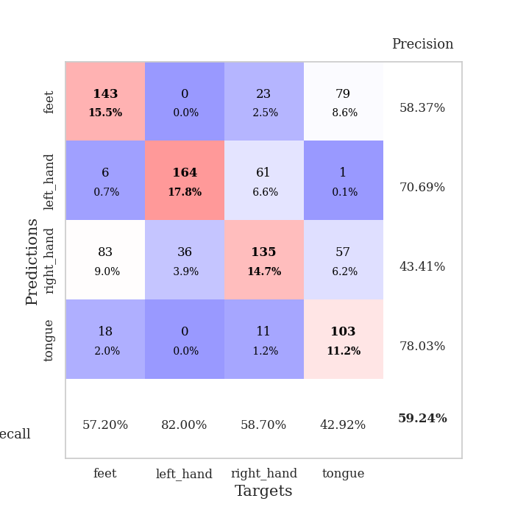
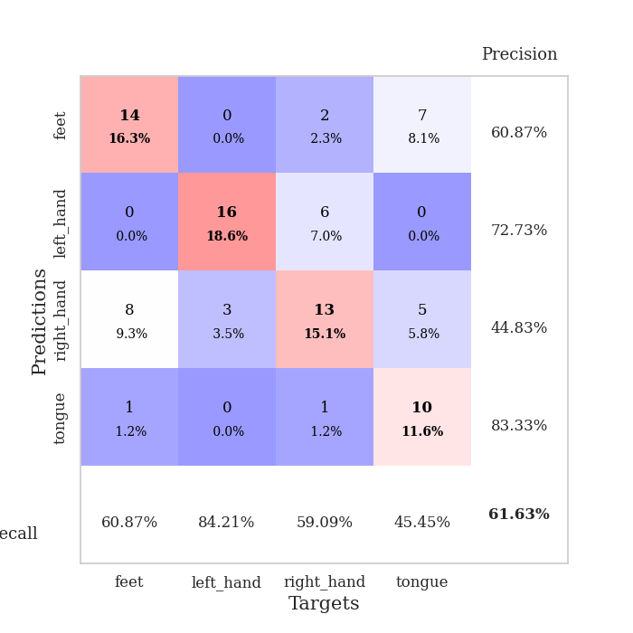
best_val_acc | best_val_los | best_test_acc
0.64130434783 | 0.95758003774 | 0.66379310345
0.5652173913 | 1.4898558648 | 0.54310344828
0.61956521739 | 1.1476299659 | 0.66379310345
0.58695652174 | 1.3835215154 | 0.62068965517
0.63043478261 | 1.4821238466 | 0.68103448276
0.47826086957 | 2.2251342691 | 0.45689655172
0.58695652174 | 1.4872127875 | 0.5775862069
0.69565217391 | 1.2693533327 | 0.77586206897
0.52173913043 | 2.0224701684 | 0.52586206897
0.59782608696 | 1.3202990501 | 0.69827586207

Mean,std Val accuracy is 0.5923913043478259 , 0.06154089765022836 and mean, std test accuracy is 0.6206896551724137 , 0.09495811288424315

Sheet1
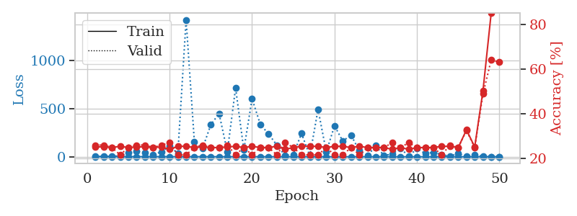
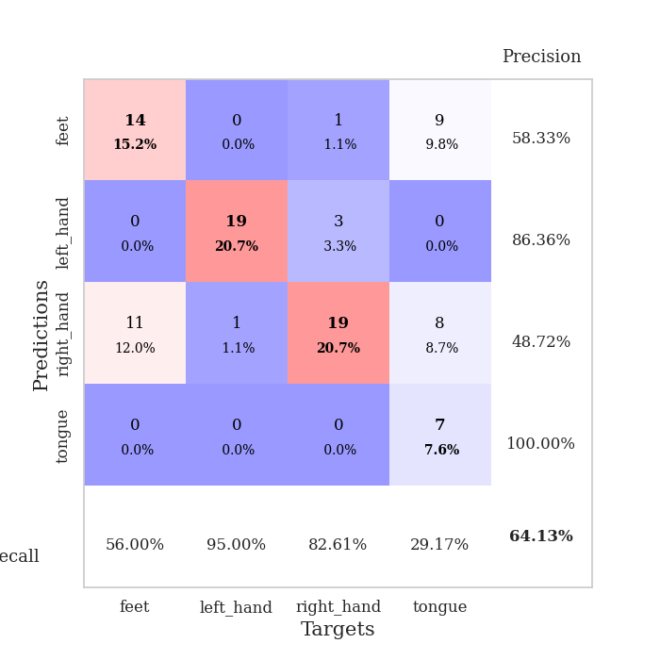
train_loss | valid_loss | train_accuracy | valid_accuracy | dur | train_misclass | valid_misclass
3.2798710802 | 1.744205252 | 0.2527173913 | 0.26086956522 | 0.10555529594 | 25.27173913 | 26.086956522
1.5527598106 | 4.6411991327 | 0.2527173913 | 0.26086956522 | 0.10701012611 | 25.27173913 | 26.086956522
1.0434212451 | 5.3148731771 | 0.25 | 0.25 | 0.10106992722 | 25 | 25
1.0142869561 | 9.7262828246 | 0.25543478261 | 0.21739130435 | 0.11501145363 | 25.543478261 | 21.739130435
1.2840910502 | 41.349472129 | 0.25 | 0.25 | 0.10001754761 | 25 | 25
1.1493926618 | 54.363097979 | 0.2527173913 | 0.26086956522 | 0.099047660828 | 25.27173913 | 26.086956522
1.1711808547 | 45.171489384 | 0.2527173913 | 0.26086956522 | 0.10513234138 | 25.27173913 | 26.086956522
1.1426856829 | 22.711813554 | 0.25 | 0.25 | 0.10368013382 | 25 | 25
1.1574243203 | 50.495011537 | 0.2527173913 | 0.26086956522 | 0.10228037834 | 25.27173913 | 26.086956522
1.0032835745 | 108.69016598 | 0.24184782609 | 0.27173913043 | 0.098121166229 | 24.184782609 | 27.173913043
0.88172772915 | 36.774785083 | 0.25543478261 | 0.21739130435 | 0.10524654388 | 25.543478261 | 21.739130435
0.84291179932 | 1421.1762695 | 0.25543478261 | 0.21739130435 | 0.098255872726 | 25.543478261 | 21.739130435
0.91485831401 | 158.682042 | 0.25 | 0.25 | 0.1018037796 | 25 | 25
0.78739775393 | 88.739292642 | 0.2527173913 | 0.26086956522 | 0.10908317566 | 25.27173913 | 26.086956522
0.72876908986 | 333.38104115 | 0.25 | 0.25 | 0.10192799568 | 25 | 25
0.55249546144 | 448.56910374 | 0.25 | 0.25 | 0.10168766975 | 25 | 25
0.70227362216 | 52.615671738 | 0.2527173913 | 0.26086956522 | 0.09853553772 | 25.27173913 | 26.086956522
0.78565718169 | 714.5780905 | 0.25543478261 | 0.21739130435 | 0.097906112671 | 25.543478261 | 21.739130435
0.68428157983 | 71.595787048 | 0.25 | 0.25 | 0.10136961937 | 25 | 25
0.59022581124 | 601.74365765 | 0.25543478261 | 0.21739130435 | 0.10943031311 | 25.543478261 | 21.739130435
0.56878467682 | 335.9210152 | 0.25 | 0.25 | 0.10528945923 | 25 | 25
0.50828536373 | 237.02809209 | 0.25 | 0.25 | 0.10189652443 | 25 | 25
0.45443599509 | 121.31539718 | 0.25543478261 | 0.21739130435 | 0.098180770874 | 25.543478261 | 21.739130435
0.42277312279 | 14.006350766 | 0.24184782609 | 0.27173913043 | 0.10424637794 | 24.184782609 | 27.173913043
0.46237802959 | 23.870029698 | 0.25 | 0.25 | 0.10110998154 | 25 | 25
0.43557348653 | 241.49851857 | 0.25543478261 | 0.21739130435 | 0.098533153534 | 25.543478261 | 21.739130435
0.28854260415 | 8.651392066 | 0.25543478261 | 0.21739130435 | 0.098150968552 | 25.543478261 | 21.739130435
0.32683431649 | 491.5337259 | 0.25543478261 | 0.21739130435 | 0.099665403366 | 25.543478261 | 21.739130435
0.29188847234 | 51.310426132 | 0.25 | 0.25 | 0.10084342957 | 25 | 25
0.25626407321 | 321.38839589 | 0.25543478261 | 0.21739130435 | 0.098315238953 | 25.543478261 | 21.739130435
0.24911965284 | 162.19984038 | 0.25543478261 | 0.21739130435 | 0.10564398766 | 25.543478261 | 21.739130435
0.23713485897 | 225.84488379 | 0.25 | 0.25 | 0.098357915878 | 25 | 25
0.25762171104 | 62.35751575 | 0.25543478261 | 0.21739130435 | 0.098210811615 | 25.543478261 | 21.739130435
0.25816738249 | 10.085607093 | 0.25 | 0.25 | 0.099195480347 | 25 | 25
0.2127938507 | 114.14404794 | 0.25 | 0.25 | 0.1053173542 | 25 | 25
0.19178801726 | 11.689430029 | 0.25 | 0.25 | 0.098370790482 | 25 | 25
0.15794489687 | 30.145045571 | 0.24184782609 | 0.27173913043 | 0.10110855103 | 24.184782609 | 27.173913043
0.20480278977 | 87.758460003 | 0.25 | 0.25 | 0.10713505745 | 25 | 25
0.16439164835 | 6.2732606141 | 0.24184782609 | 0.27173913043 | 0.11081981659 | 24.184782609 | 27.173913043
0.14345106539 | 84.838230631 | 0.25 | 0.25 | 0.10730051994 | 25 | 25
0.17983435758 | 33.867123894 | 0.25 | 0.25 | 0.10526418686 | 25 | 25
0.14073445008 | 46.021823883 | 0.25 | 0.25 | 0.10488724709 | 25 | 25
0.11820571436 | 21.700437795 | 0.25543478261 | 0.21739130435 | 0.10990953445 | 25.543478261 | 21.739130435
0.11369430043 | 5.8967656053 | 0.25543478261 | 0.26086956522 | 0.10421609879 | 25.543478261 | 26.086956522
0.11262399533 | 34.346866774 | 0.25 | 0.25 | 0.10474801064 | 25 | 25
0.10238447494 | 2.3314069354 | 0.32880434783 | 0.32608695652 | 0.10964989662 | 32.880434783 | 32.608695652
0.14379552857 | 21.925414127 | 0.2527173913 | 0.25 | 0.10992717743 | 25.27173913 | 25
0.11844855628 | 4.0558595035 | 0.5027173913 | 0.48913043478 | 0.10631036758 | 50.27173913 | 48.913043478
0.12196160958 | 0.95758003774 | 0.85054347826 | 0.64130434783 | 0.10382080078 | 85.054347826 | 64.130434783
0.10476048036 | 1.3380795303 | 1 | 0.63043478261 | 0.10526156425 | 100 | 63.043478261

Best Val accuracy is 0.6413043478260869 and Best test accuracy is 0.6637931034482759

Sheet2
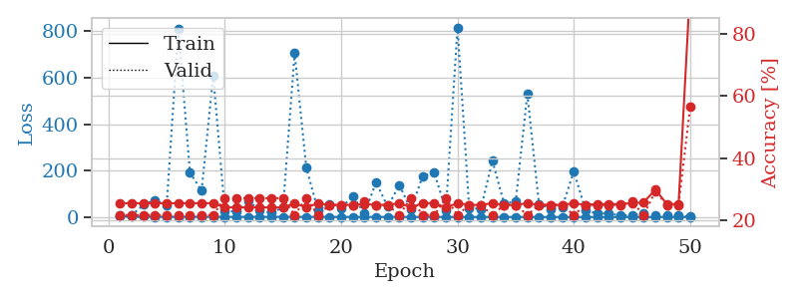
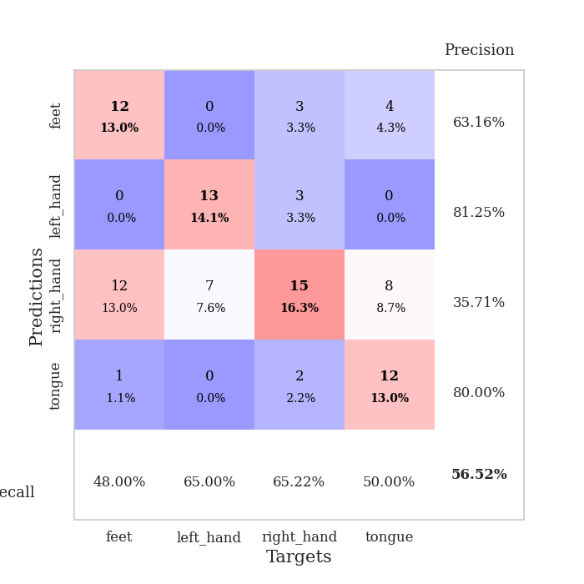
train_loss | valid_loss | train_accuracy | valid_accuracy | dur | train_misclass | valid_misclass
2.8737376721 | 5.6285463209 | 0.25543478261 | 0.21739130435 | 0.10740971565 | 25.543478261 | 21.739130435
1.2571517851 | 7.9072000669 | 0.25543478261 | 0.21739130435 | 0.10545134544 | 25.543478261 | 21.739130435
1.1953478844 | 52.777154176 | 0.25543478261 | 0.21739130435 | 0.11159133911 | 25.543478261 | 21.739130435
1.0459159664 | 72.717774433 | 0.25543478261 | 0.21739130435 | 0.10160040855 | 25.543478261 | 21.739130435
1.0771024201 | 50.034457497 | 0.25543478261 | 0.21739130435 | 0.10463857651 | 25.543478261 | 21.739130435
1.0127801584 | 812.20449166 | 0.25543478261 | 0.21739130435 | 0.11176466942 | 25.543478261 | 21.739130435
1.0569783138 | 192.12760063 | 0.25543478261 | 0.21739130435 | 0.10491132736 | 25.543478261 | 21.739130435
1.0791743527 | 113.07676431 | 0.25543478261 | 0.21739130435 | 0.10663223267 | 25.543478261 | 21.739130435
0.92886238383 | 610.0575535 | 0.25543478261 | 0.21739130435 | 0.1001303196 | 25.543478261 | 21.739130435
0.89072201563 | 23.666819448 | 0.24184782609 | 0.27173913043 | 0.10911870003 | 24.184782609 | 27.173913043
0.80496592496 | 25.364547729 | 0.24184782609 | 0.27173913043 | 0.1136713028 | 24.184782609 | 27.173913043
0.83287082677 | 71.90138709 | 0.24184782609 | 0.27173913043 | 0.10295939445 | 24.184782609 | 27.173913043
0.84753965165 | 27.228782737 | 0.24184782609 | 0.27173913043 | 0.11647844315 | 24.184782609 | 27.173913043
0.76890781522 | 19.037615569 | 0.24184782609 | 0.27173913043 | 0.10553455353 | 24.184782609 | 27.173913043
0.86411074193 | 40.608170053 | 0.24184782609 | 0.27173913043 | 0.10723757744 | 24.184782609 | 27.173913043
0.7586102084 | 706.36981732 | 0.25543478261 | 0.21739130435 | 0.11318516731 | 25.543478261 | 21.739130435
0.80947637947 | 212.8528522 | 0.24184782609 | 0.27173913043 | 0.11082434654 | 24.184782609 | 27.173913043
0.71711526876 | 30.330516235 | 0.25543478261 | 0.21739130435 | 0.10903644562 | 25.543478261 | 21.739130435
0.58156712936 | 55.128102842 | 0.25 | 0.25 | 0.10850000381 | 25 | 25
0.57167180206 | 39.63050013 | 0.25 | 0.25 | 0.11685490608 | 25 | 25
0.47853207329 | 89.549326689 | 0.25 | 0.25 | 0.10855865479 | 25 | 25
0.49582346561 | 15.954447663 | 0.2527173913 | 0.26086956522 | 0.10166454315 | 25.27173913 | 26.086956522
0.48515085682 | 148.9620096 | 0.25 | 0.25 | 0.10537171364 | 25 | 25
0.45662563942 | 44.564392753 | 0.25 | 0.25 | 0.10439348221 | 25 | 25
0.39518107927 | 138.22601849 | 0.25543478261 | 0.21739130435 | 0.10839939117 | 25.543478261 | 21.739130435
0.43340075308 | 31.587811511 | 0.24184782609 | 0.27173913043 | 0.10183405876 | 24.184782609 | 27.173913043
0.37392147145 | 175.73986352 | 0.25543478261 | 0.21739130435 | 0.099340677261 | 25.543478261 | 21.739130435
0.42110256916 | 191.58351732 | 0.25543478261 | 0.21739130435 | 0.11252522469 | 25.543478261 | 21.739130435
0.37496150836 | 29.175838388 | 0.24184782609 | 0.27173913043 | 0.10688781738 | 24.184782609 | 27.173913043
0.38064879373 | 816.64799168 | 0.25543478261 | 0.21739130435 | 0.10431003571 | 25.543478261 | 21.739130435
0.30988122588 | 39.137779402 | 0.25 | 0.25 | 0.1054084301 | 25 | 25
0.23680450962 | 35.042476654 | 0.25 | 0.25 | 0.10610413551 | 25 | 25
0.1918646941 | 242.46204144 | 0.25543478261 | 0.21739130435 | 0.11307048798 | 25.543478261 | 21.739130435
0.255816965 | 58.403315171 | 0.25 | 0.25 | 0.10901093483 | 25 | 25
0.25593447782 | 66.116114575 | 0.25 | 0.25 | 0.10786509514 | 25 | 25
0.24679064872 | 531.04304836 | 0.25543478261 | 0.21739130435 | 0.10123085976 | 25.543478261 | 21.739130435
0.20600449634 | 56.44142068 | 0.25 | 0.25 | 0.1060833931 | 25 | 25
0.19315131883 | 34.292538187 | 0.25 | 0.25 | 0.10113239288 | 25 | 25
0.17134571569 | 43.215365203 | 0.25 | 0.25 | 0.10508084297 | 25 | 25
0.15887923757 | 197.250477 | 0.25543478261 | 0.21739130435 | 0.11127519608 | 25.543478261 | 21.739130435
0.15057091617 | 29.28278583 | 0.25 | 0.25 | 0.10617041588 | 25 | 25
0.14765163892 | 14.947363231 | 0.2527173913 | 0.25 | 0.10761404037 | 25.27173913 | 25
0.15706635761 | 15.694598322 | 0.2527173913 | 0.25 | 0.10977983475 | 25.27173913 | 25
0.14116713899 | 6.9052585312 | 0.2527173913 | 0.25 | 0.10654187202 | 25.27173913 | 25
0.1525862255 | 8.3085115682 | 0.25543478261 | 0.26086956522 | 0.10603284836 | 25.543478261 | 26.086956522
0.11694746064 | 14.197719491 | 0.25815217391 | 0.21739130435 | 0.10879135132 | 25.815217391 | 21.739130435
0.10498912296 | 5.5322306674 | 0.29891304348 | 0.29347826087 | 0.10666012764 | 29.891304348 | 29.347826087
0.1302647947 | 6.8175367894 | 0.2527173913 | 0.25 | 0.10679602623 | 25.27173913 | 25
0.12226170933 | 7.09523881 | 0.2527173913 | 0.25 | 0.10955762863 | 25.27173913 | 25
0.15607173198 | 1.4898558648 | 0.95108695652 | 0.5652173913 | 0.11015033722 | 95.108695652 | 56.52173913

Best Val accuracy is 0.5652173913043478 and Best test accuracy is 0.5431034482758621

Sheet3
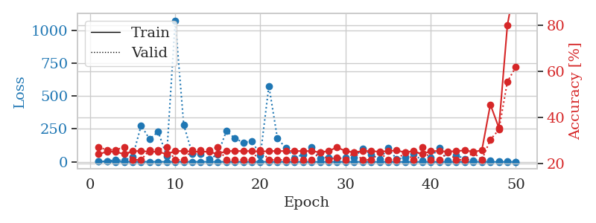
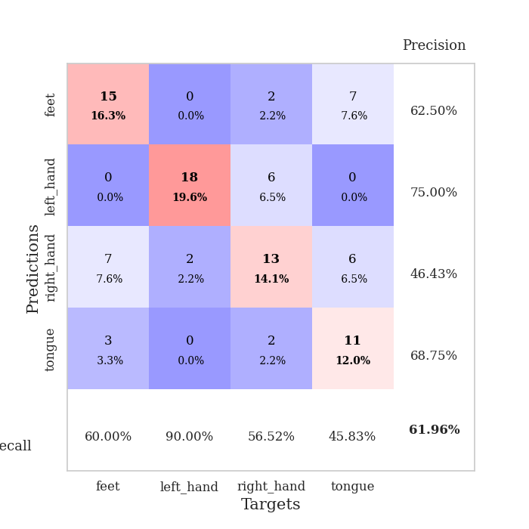
train_loss | valid_loss | train_accuracy | valid_accuracy | dur | train_misclass | valid_misclass
3.6077212976 | 2.5361711357 | 0.24184782609 | 0.27173913043 | 0.10898470879 | 24.184782609 | 27.173913043
1.5390209763 | 5.8664719747 | 0.2527173913 | 0.26086956522 | 0.10261178017 | 25.27173913 | 26.086956522
1.3364509836 | 14.356568254 | 0.2527173913 | 0.26086956522 | 0.10672831535 | 25.27173913 | 26.086956522
1.1477482785 | 11.229285199 | 0.24184782609 | 0.27173913043 | 0.10794496536 | 24.184782609 | 27.173913043
0.92533721613 | 38.442347319 | 0.25543478261 | 0.21739130435 | 0.10731077194 | 25.543478261 | 21.739130435
1.0135902244 | 276.16093511 | 0.25543478261 | 0.21739130435 | 0.10255002975 | 25.543478261 | 21.739130435
1.0808226337 | 171.7394522 | 0.2527173913 | 0.26086956522 | 0.10423731804 | 25.27173913 | 26.086956522
0.94618582726 | 229.98946082 | 0.2527173913 | 0.26086956522 | 0.1100897789 | 25.27173913 | 26.086956522
0.88882222642 | 44.330451136 | 0.24184782609 | 0.27173913043 | 0.10203194618 | 24.184782609 | 27.173913043
1.1010034499 | 1073.5160071 | 0.25543478261 | 0.21739130435 | 0.10013985634 | 25.543478261 | 21.739130435
0.96798002979 | 281.41168346 | 0.25543478261 | 0.21739130435 | 0.10383844376 | 25.543478261 | 21.739130435
0.8042579669 | 62.748310918 | 0.2527173913 | 0.26086956522 | 0.11055040359 | 25.27173913 | 26.086956522
0.85832916265 | 60.201836296 | 0.2527173913 | 0.26086956522 | 0.11457467079 | 25.27173913 | 26.086956522
0.740512511 | 20.507176938 | 0.2527173913 | 0.26086956522 | 0.10982322693 | 25.27173913 | 26.086956522
0.72746516829 | 57.28301239 | 0.24184782609 | 0.27173913043 | 0.110486269 | 24.184782609 | 27.173913043
0.77663629211 | 233.16203109 | 0.25543478261 | 0.21739130435 | 0.10403370857 | 25.543478261 | 21.739130435
0.63132191482 | 179.46120751 | 0.25543478261 | 0.21739130435 | 0.10020971298 | 25.543478261 | 21.739130435
0.58810618844 | 146.17606918 | 0.25543478261 | 0.21739130435 | 0.11037898064 | 25.543478261 | 21.739130435
0.69383706606 | 158.56481071 | 0.25543478261 | 0.21739130435 | 0.11281085014 | 25.543478261 | 21.739130435
0.62590966212 | 48.784404589 | 0.2527173913 | 0.26086956522 | 0.11356401443 | 25.27173913 | 26.086956522
0.53378132115 | 576.60724142 | 0.25543478261 | 0.21739130435 | 0.10980510712 | 25.543478261 | 21.739130435
0.49893411913 | 178.30089271 | 0.25543478261 | 0.21739130435 | 0.11328983307 | 25.543478261 | 21.739130435
0.54308432924 | 105.26240042 | 0.25543478261 | 0.21739130435 | 0.10447049141 | 25.543478261 | 21.739130435
0.43273197082 | 29.506732443 | 0.25543478261 | 0.21739130435 | 0.11435580254 | 25.543478261 | 21.739130435
0.34927278142 | 56.847815306 | 0.25543478261 | 0.21739130435 | 0.10657024384 | 25.543478261 | 21.739130435
0.38129973671 | 113.92895276 | 0.25543478261 | 0.21739130435 | 0.11016702652 | 25.543478261 | 21.739130435
0.36004181498 | 27.544365012 | 0.25 | 0.25 | 0.10838890076 | 25 | 25
0.43557749883 | 33.112534233 | 0.25543478261 | 0.21739130435 | 0.10593748093 | 25.543478261 | 21.739130435
0.32888636187 | 27.306511174 | 0.27173913043 | 0.22826086957 | 0.10577011108 | 27.173913043 | 22.826086957
0.31542607624 | 34.453150708 | 0.25543478261 | 0.21739130435 | 0.10807323456 | 25.543478261 | 21.739130435
0.30808122829 | 33.17466711 | 0.25 | 0.25 | 0.1033873558 | 25 | 25
0.2737346758 | 99.312228327 | 0.25543478261 | 0.21739130435 | 0.11455607414 | 25.543478261 | 21.739130435
0.25858468886 | 55.46403039 | 0.25543478261 | 0.21739130435 | 0.10377836227 | 25.543478261 | 21.739130435
0.22901914123 | 19.414836303 | 0.2527173913 | 0.25 | 0.10435009003 | 25.27173913 | 25
0.19015898191 | 103.89328965 | 0.25543478261 | 0.21739130435 | 0.10688114166 | 25.543478261 | 21.739130435
0.16612625689 | 21.110960753 | 0.25815217391 | 0.21739130435 | 0.11231017113 | 25.815217391 | 21.739130435
0.16979357292 | 29.897960912 | 0.25 | 0.25 | 0.10612463951 | 25 | 25
0.18561184576 | 63.367364635 | 0.25543478261 | 0.21739130435 | 0.10399794579 | 25.543478261 | 21.739130435
0.14204804081 | 7.1722254131 | 0.24184782609 | 0.27173913043 | 0.10618567467 | 24.184782609 | 27.173913043
0.18610602957 | 32.796515092 | 0.25543478261 | 0.21739130435 | 0.10908317566 | 25.543478261 | 21.739130435
0.18145685854 | 108.27777332 | 0.25543478261 | 0.21739130435 | 0.10468792915 | 25.543478261 | 21.739130435
0.14154021742 | 9.9550015408 | 0.2527173913 | 0.25 | 0.10766243935 | 25.27173913 | 25
0.11221608204 | 50.810967653 | 0.25543478261 | 0.21739130435 | 0.10872030258 | 25.543478261 | 21.739130435
0.13103762395 | 23.285314809 | 0.25815217391 | 0.21739130435 | 0.10661554337 | 25.815217391 | 21.739130435
0.13039284224 | 10.463258619 | 0.2527173913 | 0.25 | 0.10669279099 | 25.27173913 | 25
0.14491675211 | 15.133568308 | 0.25815217391 | 0.21739130435 | 0.11123728752 | 25.815217391 | 21.739130435
0.089805917976 | 7.4367111455 | 0.45652173913 | 0.30434782609 | 0.10680651665 | 45.652173913 | 30.434782609
0.13203781552 | 3.8664350095 | 0.35597826087 | 0.34782608696 | 0.10520100594 | 35.597826087 | 34.782608696
0.11813502552 | 1.5670757657 | 0.79891304348 | 0.55434782609 | 0.1107647419 | 79.891304348 | 55.434782609
0.12178486181 | 1.1476299659 | 1 | 0.61956521739 | 0.10183382034 | 100 | 61.956521739

Best Val accuracy is 0.6195652173913043 and Best test accuracy is 0.6637931034482759

Sheet4
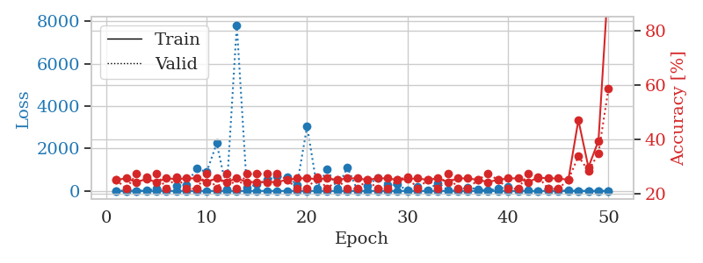
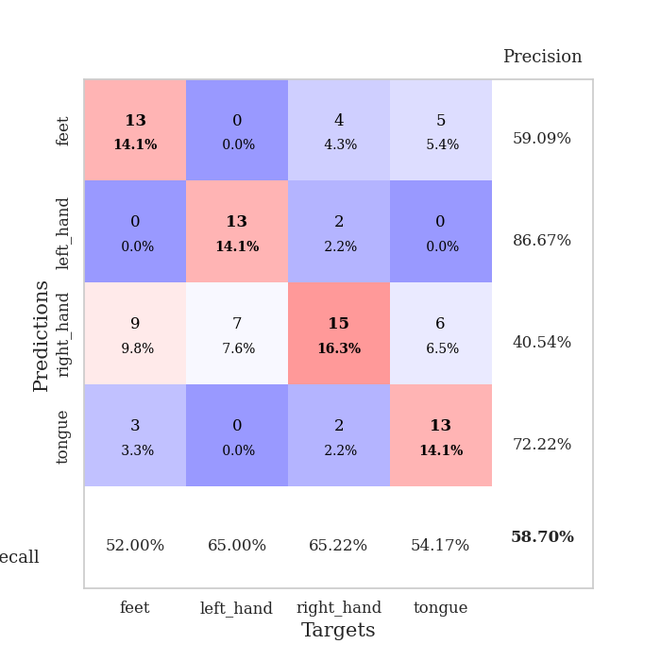
train_loss | valid_loss | train_accuracy | valid_accuracy | dur | train_misclass | valid_misclass
3.7191145005 | 1.8935961309 | 0.25 | 0.25 | 0.10166049004 | 25 | 25
1.4458343076 | 10.76737267 | 0.25543478261 | 0.21739130435 | 0.11067295074 | 25.543478261 | 21.739130435
1.2236349194 | 5.1725536222 | 0.24184782609 | 0.27173913043 | 0.1054224968 | 24.184782609 | 27.173913043
1.4603014018 | 14.197257622 | 0.2527173913 | 0.26086956522 | 0.10344099998 | 25.27173913 | 26.086956522
1.0647166009 | 114.3323079 | 0.24184782609 | 0.27173913043 | 0.10402727127 | 24.184782609 | 27.173913043
1.145156228 | 24.670844285 | 0.25543478261 | 0.21739130435 | 0.10713148117 | 25.543478261 | 21.739130435
0.89789810388 | 259.24853715 | 0.2527173913 | 0.26086956522 | 0.11305356026 | 25.27173913 | 26.086956522
0.87565224844 | 298.74388322 | 0.25543478261 | 0.21739130435 | 0.10651898384 | 25.543478261 | 21.739130435
0.93929853906 | 1071.2176779 | 0.25543478261 | 0.21739130435 | 0.11737966537 | 25.543478261 | 21.739130435
0.96480806755 | 885.87878683 | 0.24184782609 | 0.27173913043 | 0.11014556885 | 24.184782609 | 27.173913043
0.88665241392 | 2249.5429051 | 0.25543478261 | 0.21739130435 | 0.10382795334 | 25.543478261 | 21.739130435
0.75729333577 | 56.627689527 | 0.24184782609 | 0.27173913043 | 0.11027693748 | 24.184782609 | 27.173913043
0.75535017252 | 7819.6164657 | 0.25543478261 | 0.21739130435 | 0.10902142525 | 25.543478261 | 21.739130435
0.78553631643 | 162.04996325 | 0.24184782609 | 0.27173913043 | 0.11270666122 | 24.184782609 | 27.173913043
0.77395828651 | 308.58203788 | 0.24184782609 | 0.27173913043 | 0.10706305504 | 24.184782609 | 27.173913043
0.83207625669 | 509.26107921 | 0.24184782609 | 0.27173913043 | 0.10460662842 | 24.184782609 | 27.173913043
0.81831588564 | 687.28266442 | 0.24184782609 | 0.27173913043 | 0.10813236237 | 24.184782609 | 27.173913043
0.67850029663 | 652.36876645 | 0.25 | 0.25 | 0.11035323143 | 25 | 25
0.56401770918 | 295.97323608 | 0.25543478261 | 0.21739130435 | 0.10994386673 | 25.543478261 | 21.739130435
0.59154192909 | 3052.0413128 | 0.25543478261 | 0.21739130435 | 0.11337733269 | 25.543478261 | 21.739130435
0.58556391364 | 131.83761564 | 0.2527173913 | 0.26086956522 | 0.10673904419 | 25.27173913 | 26.086956522
0.50189919964 | 1030.8802915 | 0.25543478261 | 0.21739130435 | 0.10815310478 | 25.543478261 | 21.739130435
0.57010069749 | 106.98045681 | 0.25 | 0.25 | 0.11165118217 | 25 | 25
0.65865659163 | 1118.7324909 | 0.25543478261 | 0.21739130435 | 0.11722588539 | 25.543478261 | 21.739130435
0.46785388109 | 39.242634815 | 0.25543478261 | 0.21739130435 | 0.11056447029 | 25.543478261 | 21.739130435
0.46594022603 | 229.5522786 | 0.25 | 0.25 | 0.1046090126 | 25 | 25
0.34015261414 | 631.91416334 | 0.25543478261 | 0.21739130435 | 0.1199901104 | 25.543478261 | 21.739130435
0.39153081503 | 283.2365789 | 0.25543478261 | 0.21739130435 | 0.10937905312 | 25.543478261 | 21.739130435
0.40961204696 | 302.18829213 | 0.25 | 0.25 | 0.10593628883 | 25 | 25
0.37634982671 | 22.418129382 | 0.2527173913 | 0.26086956522 | 0.10271215439 | 25.27173913 | 26.086956522
0.2801232866 | 201.36842612 | 0.25543478261 | 0.21739130435 | 0.10197734833 | 25.543478261 | 21.739130435
0.2734038088 | 44.06196843 | 0.25 | 0.25 | 0.10179281235 | 25 | 25
0.28809761677 | 372.29833852 | 0.25543478261 | 0.21739130435 | 0.10374450684 | 25.543478261 | 21.739130435
0.2575733098 | 50.489418196 | 0.24184782609 | 0.27173913043 | 0.10119771957 | 24.184782609 | 27.173913043
0.2332023826 | 37.383995554 | 0.25543478261 | 0.21739130435 | 0.11706852913 | 25.543478261 | 21.739130435
0.23636643799 | 175.27786189 | 0.25543478261 | 0.21739130435 | 0.10333156586 | 25.543478261 | 21.739130435
0.19731045417 | 70.856986668 | 0.25 | 0.25 | 0.10857725143 | 25 | 25
0.1873879538 | 26.697196214 | 0.24184782609 | 0.27173913043 | 0.10825419426 | 24.184782609 | 27.173913043
0.15289573598 | 110.17249762 | 0.25 | 0.25 | 0.10202050209 | 25 | 25
0.1491138124 | 188.57009689 | 0.25543478261 | 0.21739130435 | 0.10622119904 | 25.543478261 | 21.739130435
0.20165317319 | 64.052677984 | 0.25543478261 | 0.21739130435 | 0.097874641418 | 25.543478261 | 21.739130435
0.19724946275 | 32.092151974 | 0.24184782609 | 0.27173913043 | 0.10563898087 | 24.184782609 | 27.173913043
0.11578360046 | 3.9731929717 | 0.25815217391 | 0.26086956522 | 0.10560941696 | 25.815217391 | 26.086956522
0.10564518777 | 99.930998761 | 0.25543478261 | 0.21739130435 | 0.10957670212 | 25.543478261 | 21.739130435
0.1356858241 | 33.566195447 | 0.25543478261 | 0.21739130435 | 0.10999631882 | 25.543478261 | 21.739130435
0.14759502973 | 18.361010178 | 0.25 | 0.25 | 0.10239100456 | 25 | 25
0.13424857803 | 3.5920693045 | 0.47010869565 | 0.33695652174 | 0.10662984848 | 47.010869565 | 33.695652174
0.16012391359 | 3.3826400612 | 0.29619565217 | 0.28260869565 | 0.10641169548 | 29.619565217 | 28.260869565
0.130297066 | 3.4049990592 | 0.39402173913 | 0.34782608696 | 0.10793948174 | 39.402173913 | 34.782608696
0.12576062346 | 1.3835215154 | 0.99456521739 | 0.58695652174 | 0.10579061508 | 99.456521739 | 58.695652174

Best Val accuracy is 0.5869565217391305 and Best test accuracy is 0.6206896551724138

Sheet5
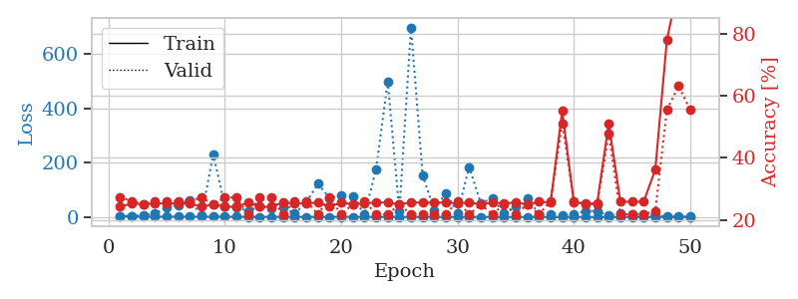
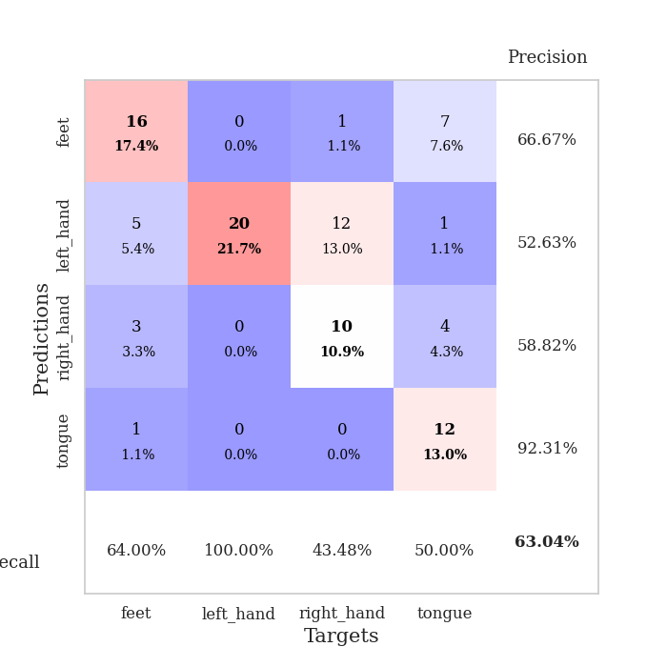
train_loss | valid_loss | train_accuracy | valid_accuracy | dur | train_misclass | valid_misclass
3.6430416833 | 4.3353660832 | 0.24184782609 | 0.27173913043 | 0.10944128036 | 24.184782609 | 27.173913043
1.6093435909 | 4.4049354014 | 0.2527173913 | 0.26086956522 | 0.10564279556 | 25.27173913 | 26.086956522
1.3378379734 | 5.8295328513 | 0.25 | 0.25 | 0.10524988174 | 25 | 25
1.224119544 | 12.484504575 | 0.2527173913 | 0.26086956522 | 0.10521245003 | 25.27173913 | 26.086956522
1.4130621527 | 36.542887646 | 0.2527173913 | 0.26086956522 | 0.10760760307 | 25.27173913 | 26.086956522
1.1351718851 | 43.130295629 | 0.2527173913 | 0.26086956522 | 0.10561943054 | 25.27173913 | 26.086956522
1.1420216457 | 62.109986844 | 0.2527173913 | 0.26086956522 | 0.10060095787 | 25.27173913 | 26.086956522
1.0225343315 | 5.026640042 | 0.24184782609 | 0.27173913043 | 0.11339402199 | 24.184782609 | 27.173913043
1.0647143825 | 231.15511355 | 0.25 | 0.25 | 0.11480212212 | 25 | 25
1.0534617719 | 41.249203226 | 0.24184782609 | 0.27173913043 | 0.11126613617 | 24.184782609 | 27.173913043
1.011644169 | 35.808623438 | 0.24184782609 | 0.27173913043 | 0.10436797142 | 24.184782609 | 27.173913043
0.97437609279 | 22.115263151 | 0.25543478261 | 0.21739130435 | 0.10386705399 | 25.543478261 | 21.739130435
0.96564788404 | 37.63170176 | 0.24184782609 | 0.27173913043 | 0.10865092278 | 24.184782609 | 27.173913043
0.81994370792 | 30.793721158 | 0.24184782609 | 0.27173913043 | 0.10688138008 | 24.184782609 | 27.173913043
0.79296416692 | 35.713399721 | 0.25543478261 | 0.21739130435 | 0.10343766212 | 25.543478261 | 21.739130435
0.84853036248 | 13.037384821 | 0.2527173913 | 0.26086956522 | 0.11120462418 | 25.27173913 | 26.086956522
0.72027479954 | 54.061095528 | 0.2527173913 | 0.26086956522 | 0.10619711876 | 25.27173913 | 26.086956522
0.64369226603 | 122.49669282 | 0.25543478261 | 0.21739130435 | 0.10370111465 | 25.543478261 | 21.739130435
0.70771369144 | 69.613676652 | 0.24184782609 | 0.27173913043 | 0.10745549202 | 24.184782609 | 27.173913043
0.61983963523 | 79.775374371 | 0.25543478261 | 0.21739130435 | 0.1132478714 | 25.543478261 | 21.739130435
0.65215831736 | 74.517922111 | 0.25 | 0.25 | 0.10982513428 | 25 | 25
0.55952902203 | 9.1853952408 | 0.2527173913 | 0.26086956522 | 0.1108341217 | 25.27173913 | 26.086956522
0.5480583362 | 175.7960968 | 0.25543478261 | 0.21739130435 | 0.10408353806 | 25.543478261 | 21.739130435
0.62385818233 | 497.89264181 | 0.25543478261 | 0.21739130435 | 0.10821151733 | 25.543478261 | 21.739130435
0.50978529194 | 22.073435576 | 0.25 | 0.25 | 0.11029410362 | 25 | 25
0.39399781013 | 696.71175484 | 0.25543478261 | 0.21739130435 | 0.10495328903 | 25.543478261 | 21.739130435
0.38262758825 | 153.07605976 | 0.25543478261 | 0.21739130435 | 0.10229158401 | 25.543478261 | 21.739130435
0.32302367865 | 26.578699858 | 0.25543478261 | 0.21739130435 | 0.10540437698 | 25.543478261 | 21.739130435
0.35451354427 | 88.698407049 | 0.25543478261 | 0.21739130435 | 0.10080838203 | 25.543478261 | 21.739130435
0.30426647417 | 15.421039706 | 0.2527173913 | 0.26086956522 | 0.10445713997 | 25.27173913 | 26.086956522
0.29204210542 | 183.43283147 | 0.25543478261 | 0.21739130435 | 0.10376882553 | 25.543478261 | 21.739130435
0.26378015429 | 50.764166791 | 0.25 | 0.25 | 0.11506104469 | 25 | 25
0.25664046634 | 68.913912234 | 0.25543478261 | 0.21739130435 | 0.10543560982 | 25.543478261 | 21.739130435
0.26697794963 | 14.145368866 | 0.2527173913 | 0.25 | 0.10564994812 | 25.27173913 | 25
0.23724081238 | 38.766110296 | 0.25543478261 | 0.21739130435 | 0.10611963272 | 25.543478261 | 21.739130435
0.19533128551 | 69.548389103 | 0.25 | 0.25 | 0.11089634895 | 25 | 25
0.20790126434 | 11.193290337 | 0.25815217391 | 0.21739130435 | 0.10717821121 | 25.815217391 | 21.739130435
0.20137512522 | 8.9265035132 | 0.25543478261 | 0.26086956522 | 0.1070022583 | 25.543478261 | 26.086956522
0.14298290646 | 5.7229426633 | 0.55163043478 | 0.51086956522 | 0.11440110207 | 55.163043478 | 51.086956522
0.17101909852 | 10.062997652 | 0.25543478261 | 0.26086956522 | 0.10406732559 | 25.543478261 | 26.086956522
0.18681512664 | 21.760684387 | 0.2527173913 | 0.25 | 0.10465669632 | 25.27173913 | 25
0.11406139325 | 22.431673713 | 0.2527173913 | 0.25 | 0.10767102242 | 25.27173913 | 25
0.14514943601 | 5.2559555924 | 0.51086956522 | 0.47826086957 | 0.10201478004 | 51.086956522 | 47.826086957
0.11529950308 | 12.827152128 | 0.25815217391 | 0.21739130435 | 0.10589075089 | 25.815217391 | 21.739130435
0.13361019862 | 8.7246764225 | 0.25815217391 | 0.21739130435 | 0.11034965515 | 25.815217391 | 21.739130435
0.12282818718 | 10.04784526 | 0.25815217391 | 0.21739130435 | 0.11120319366 | 25.815217391 | 21.739130435
0.12206807943 | 6.5951831652 | 0.36141304348 | 0.22826086957 | 0.10762763023 | 36.141304348 | 22.826086957
0.14397741174 | 2.0231187033 | 0.77989130435 | 0.55434782609 | 0.11028170586 | 77.989130435 | 55.434782609
0.14646856422 | 1.5351372802 | 0.95923913043 | 0.63043478261 | 0.11150360107 | 95.923913043 | 63.043478261
0.16506929688 | 1.4821238466 | 0.9972826087 | 0.55434782609 | 0.11258125305 | 99.72826087 | 55.434782609

Best Val accuracy is 0.6304347826086957 and Best test accuracy is 0.6810344827586207

Sheet6
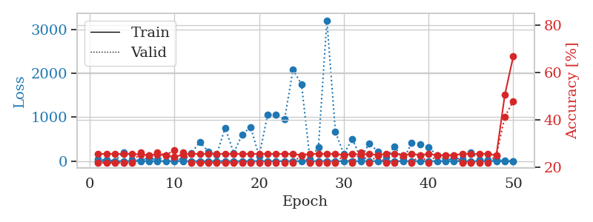
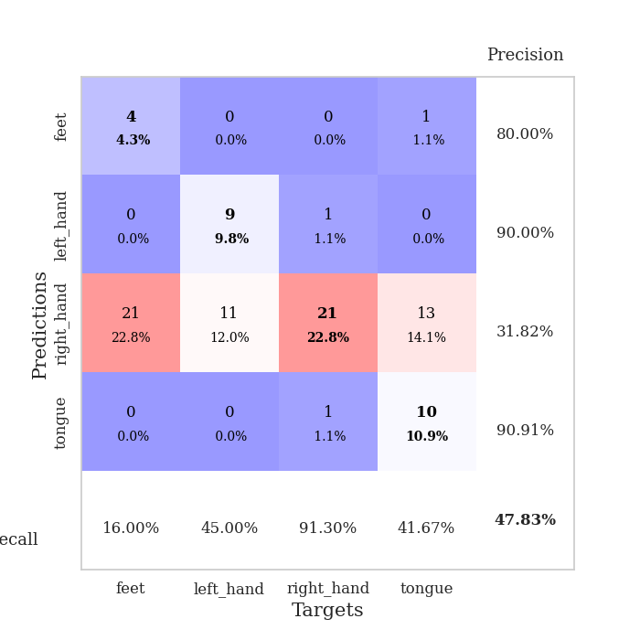
train_loss | valid_loss | train_accuracy | valid_accuracy | dur | train_misclass | valid_misclass
2.6132908282 | 44.103845845 | 0.25543478261 | 0.21739130435 | 0.10920763016 | 25.543478261 | 21.739130435
1.2378057112 | 24.252317429 | 0.25543478261 | 0.21739130435 | 0.10328626633 | 25.543478261 | 21.739130435
1.2646365736 | 4.1020273126 | 0.25543478261 | 0.21739130435 | 0.11101388931 | 25.543478261 | 21.739130435
1.030544903 | 201.17545949 | 0.25543478261 | 0.21739130435 | 0.11312246323 | 25.543478261 | 21.739130435
1.1466436231 | 33.108962183 | 0.25543478261 | 0.21739130435 | 0.11048460007 | 25.543478261 | 21.739130435
0.98970496136 | 17.076533732 | 0.2527173913 | 0.26086956522 | 0.11392068863 | 25.27173913 | 26.086956522
1.2255893272 | 76.457498302 | 0.25 | 0.25 | 0.1094481945 | 25 | 25
1.1596158458 | 22.060313681 | 0.2527173913 | 0.26086956522 | 0.10340166092 | 25.27173913 | 26.086956522
1.1810536462 | 132.65941819 | 0.25 | 0.25 | 0.10444760323 | 25 | 25
0.96879519069 | 46.289004284 | 0.24184782609 | 0.27173913043 | 0.099655628204 | 24.184782609 | 27.173913043
0.951667371 | 41.166041664 | 0.2527173913 | 0.26086956522 | 0.113707304 | 25.27173913 | 26.086956522
0.96525903888 | 175.76618294 | 0.25543478261 | 0.21739130435 | 0.10707473755 | 25.543478261 | 21.739130435
0.99941604811 | 441.0815098 | 0.25543478261 | 0.21739130435 | 0.1052365303 | 25.543478261 | 21.739130435
0.85020944347 | 219.05151699 | 0.25543478261 | 0.21739130435 | 0.1073987484 | 25.543478261 | 21.739130435
0.71582161862 | 151.47221905 | 0.25543478261 | 0.21739130435 | 0.10991644859 | 25.543478261 | 21.739130435
0.73136774742 | 762.99574346 | 0.25543478261 | 0.21739130435 | 0.10729718208 | 25.543478261 | 21.739130435
0.75045055928 | 188.30493894 | 0.25543478261 | 0.21739130435 | 0.11313843727 | 25.543478261 | 21.739130435
0.64255220087 | 604.49468994 | 0.25543478261 | 0.21739130435 | 0.11189484596 | 25.543478261 | 21.739130435
0.59471343652 | 778.88628354 | 0.25543478261 | 0.21739130435 | 0.10200834274 | 25.543478261 | 21.739130435
0.61776248009 | 108.51771214 | 0.25543478261 | 0.21739130435 | 0.10918712616 | 25.543478261 | 21.739130435
0.49529928682 | 1053.7924752 | 0.25543478261 | 0.21739130435 | 0.10190248489 | 25.543478261 | 21.739130435
0.56570858152 | 1061.1790771 | 0.25543478261 | 0.21739130435 | 0.10291266441 | 25.543478261 | 21.739130435
0.5002695497 | 953.32938285 | 0.25543478261 | 0.21739130435 | 0.10459947586 | 25.543478261 | 21.739130435
0.45051870787 | 2079.8562967 | 0.25543478261 | 0.21739130435 | 0.10569214821 | 25.543478261 | 21.739130435
0.44830926346 | 1755.2349747 | 0.25 | 0.25 | 0.10724616051 | 25 | 25
0.41243414775 | 40.82381887 | 0.25543478261 | 0.21739130435 | 0.10785937309 | 25.543478261 | 21.739130435
0.32706564244 | 319.81443588 | 0.25543478261 | 0.21739130435 | 0.10566997528 | 25.543478261 | 21.739130435
0.38810996711 | 3208.1038978 | 0.25543478261 | 0.21739130435 | 0.11041975021 | 25.543478261 | 21.739130435
0.36536181815 | 671.47547979 | 0.25543478261 | 0.21739130435 | 0.11372756958 | 25.543478261 | 21.739130435
0.36689662188 | 157.659252 | 0.25 | 0.25 | 0.1020386219 | 25 | 25
0.34544117684 | 508.93907365 | 0.25543478261 | 0.21739130435 | 0.11097359657 | 25.543478261 | 21.739130435
0.32754807336 | 62.237606546 | 0.2527173913 | 0.26086956522 | 0.10888552666 | 25.27173913 | 26.086956522
0.27825329129 | 408.21244613 | 0.25543478261 | 0.21739130435 | 0.1045396328 | 25.543478261 | 21.739130435
0.19768033906 | 221.60120359 | 0.25 | 0.25 | 0.11035346985 | 25 | 25
0.19708130654 | 92.479322351 | 0.25543478261 | 0.21739130435 | 0.10617160797 | 25.543478261 | 21.739130435
0.22265153662 | 330.97360229 | 0.25543478261 | 0.21739130435 | 0.10110068321 | 25.543478261 | 21.739130435
0.18549876838 | 29.347881068 | 0.25 | 0.25 | 0.10294294357 | 25 | 25
0.19641243861 | 410.2644932 | 0.25543478261 | 0.21739130435 | 0.10017037392 | 25.543478261 | 21.739130435
0.20078880591 | 376.56758847 | 0.25 | 0.25 | 0.10361003876 | 25 | 25
0.18578325066 | 310.59163898 | 0.25543478261 | 0.21739130435 | 0.10047912598 | 25.543478261 | 21.739130435
0.17797638638 | 137.81749493 | 0.25 | 0.25 | 0.11107039452 | 25 | 25
0.15598278217 | 12.572091476 | 0.25 | 0.25 | 0.10994267464 | 25 | 25
0.14796141033 | 70.457437598 | 0.25 | 0.25 | 0.11170005798 | 25 | 25
0.11199968365 | 51.74093744 | 0.25543478261 | 0.21739130435 | 0.10160541534 | 25.543478261 | 21.739130435
0.17513363695 | 205.31010835 | 0.25543478261 | 0.21739130435 | 0.11366128922 | 25.543478261 | 21.739130435
0.14332507535 | 24.542218499 | 0.25543478261 | 0.21739130435 | 0.11027216911 | 25.543478261 | 21.739130435
0.19686436329 | 37.687716443 | 0.25543478261 | 0.21739130435 | 0.11811709404 | 25.543478261 | 21.739130435
0.16558510915 | 29.752021707 | 0.25 | 0.25 | 0.11055707932 | 25 | 25
0.11230614085 | 6.2344754675 | 0.50543478261 | 0.41304347826 | 0.11080527306 | 50.543478261 | 41.304347826
0.16457483585 | 2.2251342691 | 0.66847826087 | 0.47826086957 | 0.10491895676 | 66.847826087 | 47.826086957

Best Val accuracy is 0.4782608695652174 and Best test accuracy is 0.45689655172413796

Sheet7
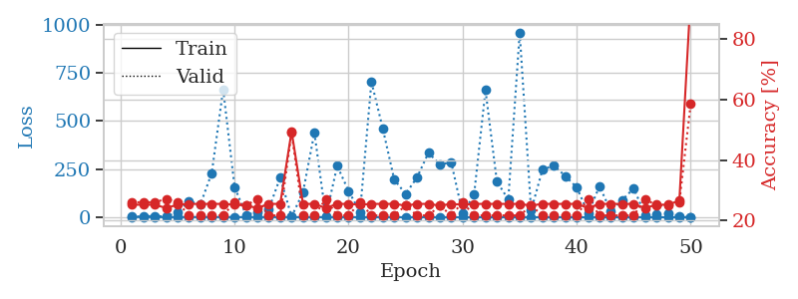
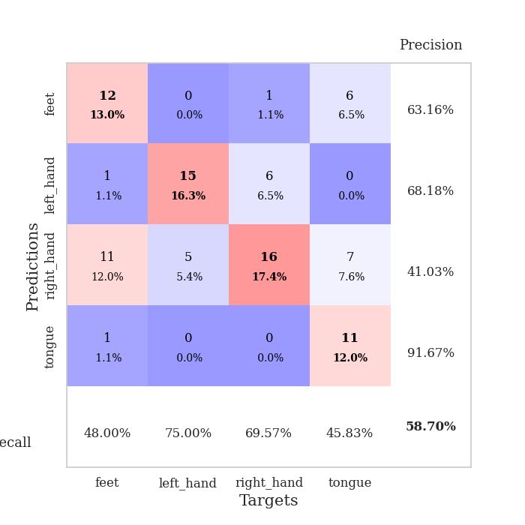
train_loss | valid_loss | train_accuracy | valid_accuracy | dur | train_misclass | valid_misclass
2.6266766372 | 3.3080686383 | 0.2527173913 | 0.26086956522 | 0.10606884956 | 25.27173913 | 26.086956522
1.6967309402 | 3.5191046362 | 0.2527173913 | 0.26086956522 | 0.11241436005 | 25.27173913 | 26.086956522
1.237009857 | 7.7949182469 | 0.2527173913 | 0.26086956522 | 0.10493612289 | 25.27173913 | 26.086956522
1.0153191038 | 2.8030445679 | 0.24184782609 | 0.27173913043 | 0.101998806 | 24.184782609 | 27.173913043
1.0092018117 | 26.676314312 | 0.2527173913 | 0.26086956522 | 0.10275411606 | 25.27173913 | 26.086956522
1.1224301639 | 83.59045377 | 0.25543478261 | 0.21739130435 | 0.10363388062 | 25.543478261 | 21.739130435
1.131781455 | 65.951351332 | 0.25543478261 | 0.21739130435 | 0.1092274189 | 25.543478261 | 21.739130435
1.0727756956 | 230.36500085 | 0.25543478261 | 0.21739130435 | 0.1111266613 | 25.543478261 | 21.739130435
0.99085001971 | 664.68201214 | 0.25543478261 | 0.21739130435 | 0.11156487465 | 25.543478261 | 21.739130435
0.90060554121 | 157.87995844 | 0.2527173913 | 0.26086956522 | 0.11050271988 | 25.27173913 | 26.086956522
0.78073075155 | 12.428579704 | 0.25 | 0.25 | 0.11758422852 | 25 | 25
0.8774715675 | 26.651761262 | 0.24184782609 | 0.27173913043 | 0.10936570168 | 24.184782609 | 27.173913043
0.79387552842 | 42.507597384 | 0.25543478261 | 0.21739130435 | 0.11045050621 | 25.543478261 | 21.739130435
0.82159398691 | 206.11536441 | 0.25543478261 | 0.21739130435 | 0.1103386879 | 25.543478261 | 21.739130435
0.65665220307 | 3.0373381221 | 0.49456521739 | 0.48913043478 | 0.11018776894 | 49.456521739 | 48.913043478
0.65992620199 | 129.37354113 | 0.25543478261 | 0.21739130435 | 0.10892629623 | 25.543478261 | 21.739130435
0.66471470828 | 439.92318062 | 0.25543478261 | 0.21739130435 | 0.10595536232 | 25.543478261 | 21.739130435
0.7010187105 | 4.1480075587 | 0.24184782609 | 0.27173913043 | 0.10657978058 | 24.184782609 | 27.173913043
0.61250073625 | 266.67625626 | 0.25543478261 | 0.21739130435 | 0.10800933838 | 25.543478261 | 21.739130435
0.71197867134 | 136.25799428 | 0.25543478261 | 0.21739130435 | 0.11498117447 | 25.543478261 | 21.739130435
0.59688429729 | 26.836623814 | 0.2527173913 | 0.26086956522 | 0.10722541809 | 25.27173913 | 26.086956522
0.55081519096 | 703.86220915 | 0.25543478261 | 0.21739130435 | 0.10434269905 | 25.543478261 | 21.739130435
0.50859628035 | 460.00441974 | 0.25543478261 | 0.21739130435 | 0.10474538803 | 25.543478261 | 21.739130435
0.5288532603 | 195.7847907 | 0.25543478261 | 0.21739130435 | 0.10608768463 | 25.543478261 | 21.739130435
0.47326413898 | 121.0248161 | 0.25 | 0.25 | 0.11028885841 | 25 | 25
0.38878608463 | 207.14708345 | 0.25543478261 | 0.21739130435 | 0.10499000549 | 25.543478261 | 21.739130435
0.39272097531 | 334.83449787 | 0.25543478261 | 0.21739130435 | 0.11076569557 | 25.543478261 | 21.739130435
0.30226708884 | 274.05222088 | 0.25 | 0.25 | 0.10938620567 | 25 | 25
0.28995313949 | 285.3017671 | 0.25543478261 | 0.21739130435 | 0.10718679428 | 25.543478261 | 21.739130435
0.37958284759 | 18.794867557 | 0.2527173913 | 0.26086956522 | 0.10443353653 | 25.27173913 | 26.086956522
0.27421988514 | 116.64482681 | 0.25543478261 | 0.21739130435 | 0.1102938652 | 25.543478261 | 21.739130435
0.27530162879 | 660.25085184 | 0.25543478261 | 0.21739130435 | 0.1083817482 | 25.543478261 | 21.739130435
0.28436047908 | 185.70626101 | 0.25543478261 | 0.21739130435 | 0.11007142067 | 25.543478261 | 21.739130435
0.29483545286 | 92.15822734 | 0.25543478261 | 0.21739130435 | 0.10725426674 | 25.543478261 | 21.739130435
0.26702700296 | 958.81523331 | 0.25543478261 | 0.21739130435 | 0.10416102409 | 25.543478261 | 21.739130435
0.21455238711 | 34.133370939 | 0.25 | 0.25 | 0.11288547516 | 25 | 25
0.18909905122 | 248.29348091 | 0.25543478261 | 0.21739130435 | 0.10645127296 | 25.543478261 | 21.739130435
0.22659681972 | 268.20595517 | 0.25543478261 | 0.21739130435 | 0.11189293861 | 25.543478261 | 21.739130435
0.20711329199 | 214.05806301 | 0.25543478261 | 0.21739130435 | 0.11396002769 | 25.543478261 | 21.739130435
0.20317678364 | 155.35059124 | 0.25543478261 | 0.21739130435 | 0.10720467567 | 25.543478261 | 21.739130435
0.17119435189 | 21.600250161 | 0.24184782609 | 0.27173913043 | 0.10296440125 | 24.184782609 | 27.173913043
0.17073468799 | 161.15522766 | 0.25543478261 | 0.21739130435 | 0.10450577736 | 25.543478261 | 21.739130435
0.13992928714 | 30.763549307 | 0.25543478261 | 0.21739130435 | 0.10343432426 | 25.543478261 | 21.739130435
0.14551667812 | 90.290985107 | 0.25543478261 | 0.21739130435 | 0.099971532822 | 25.543478261 | 21.739130435
0.14943421697 | 150.0669768 | 0.25543478261 | 0.21739130435 | 0.1100487709 | 25.543478261 | 21.739130435
0.12240824852 | 12.729856076 | 0.24184782609 | 0.27173913043 | 0.10560703278 | 24.184782609 | 27.173913043
0.16693977558 | 13.44450167 | 0.2527173913 | 0.25 | 0.1124112606 | 25.27173913 | 25
0.14599019726 | 19.375988421 | 0.2527173913 | 0.25 | 0.098114490509 | 25.27173913 | 25
0.13512980262 | 6.6983000092 | 0.26630434783 | 0.26086956522 | 0.10277938843 | 26.630434783 | 26.086956522
0.15110425601 | 1.4872127875 | 0.94565217391 | 0.58695652174 | 0.10004663467 | 94.565217391 | 58.695652174

Best Val accuracy is 0.5869565217391305 and Best test accuracy is 0.5775862068965517

Sheet8
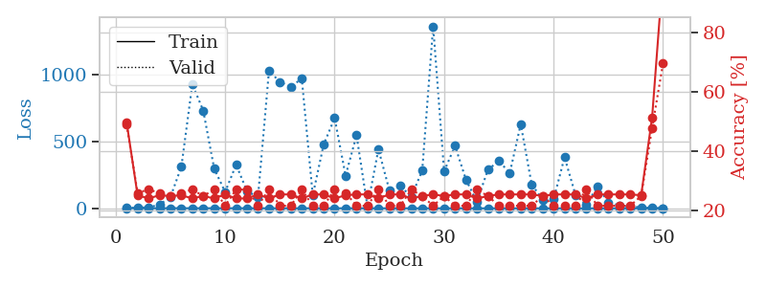
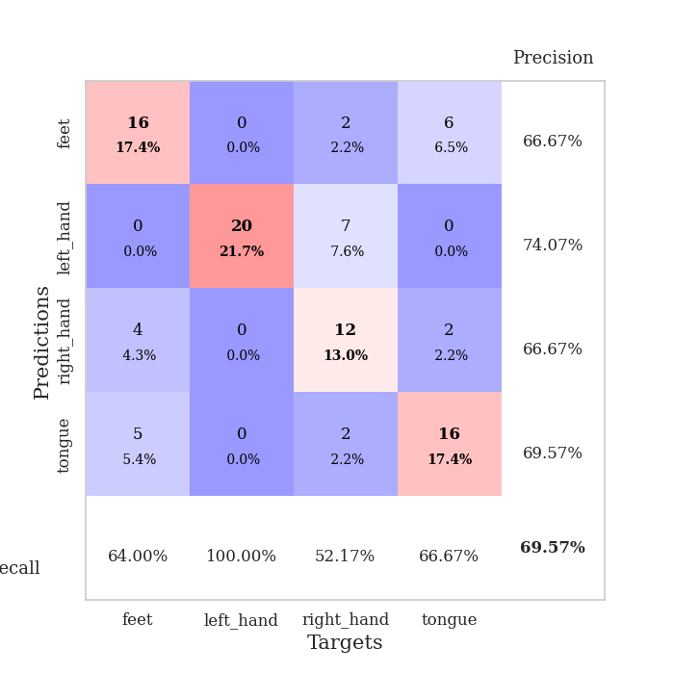
train_loss | valid_loss | train_accuracy | valid_accuracy | dur | train_misclass | valid_misclass
2.8808547258 | 1.3679367356 | 0.4972826087 | 0.48913043478 | 0.10950613022 | 49.72826087 | 48.913043478
1.3387659944 | 4.9322621097 | 0.2527173913 | 0.26086956522 | 0.10191202164 | 25.27173913 | 26.086956522
1.4340743967 | 7.1067805912 | 0.24184782609 | 0.27173913043 | 0.10529565811 | 24.184782609 | 27.173913043
1.1709537389 | 27.007463455 | 0.2527173913 | 0.26086956522 | 0.10047984123 | 25.27173913 | 26.086956522
1.2595471092 | 84.835344398 | 0.25 | 0.25 | 0.10384988785 | 25 | 25
0.92412956383 | 310.89066348 | 0.2527173913 | 0.26086956522 | 0.11029171944 | 25.27173913 | 26.086956522
0.9066329106 | 928.60626486 | 0.24184782609 | 0.27173913043 | 0.10489654541 | 24.184782609 | 27.173913043
0.81753922286 | 731.12619682 | 0.25 | 0.25 | 0.10558915138 | 25 | 25
0.88079704409 | 296.29873392 | 0.24184782609 | 0.27173913043 | 0.10372781754 | 24.184782609 | 27.173913043
0.82207507284 | 121.86133675 | 0.25543478261 | 0.21739130435 | 0.1026096344 | 25.543478261 | 21.739130435
0.80342602924 | 326.82162741 | 0.24184782609 | 0.27173913043 | 0.10280609131 | 24.184782609 | 27.173913043
0.84899394149 | 127.33026521 | 0.24184782609 | 0.27173913043 | 0.10770130157 | 24.184782609 | 27.173913043
0.69733206086 | 85.44569596 | 0.25543478261 | 0.21739130435 | 0.10651731491 | 25.543478261 | 21.739130435
0.65776732629 | 1029.2849227 | 0.24184782609 | 0.27173913043 | 0.10544347763 | 24.184782609 | 27.173913043
0.56072081755 | 946.94494629 | 0.25543478261 | 0.21739130435 | 0.10286831856 | 25.543478261 | 21.739130435
0.60736848025 | 909.39072053 | 0.25543478261 | 0.21739130435 | 0.10339093208 | 25.543478261 | 21.739130435
0.51459062618 | 971.73852539 | 0.24184782609 | 0.27173913043 | 0.1004216671 | 24.184782609 | 27.173913043
0.56653480361 | 96.740660294 | 0.25543478261 | 0.21739130435 | 0.10824537277 | 25.543478261 | 21.739130435
0.53111278428 | 477.90419073 | 0.25543478261 | 0.21739130435 | 0.10088992119 | 25.543478261 | 21.739130435
0.4313806263 | 675.77148438 | 0.24184782609 | 0.27173913043 | 0.10346388817 | 24.184782609 | 27.173913043
0.5888022152 | 244.7367567 | 0.2527173913 | 0.26086956522 | 0.10529947281 | 25.27173913 | 26.086956522
0.50411048208 | 546.57464069 | 0.25543478261 | 0.21739130435 | 0.10910701752 | 25.543478261 | 21.739130435
0.46501543988 | 11.828081338 | 0.25543478261 | 0.21739130435 | 0.10348892212 | 25.543478261 | 21.739130435
0.45733872315 | 442.55947345 | 0.24184782609 | 0.27173913043 | 0.10858678818 | 24.184782609 | 27.173913043
0.31810932898 | 135.70241182 | 0.25543478261 | 0.21739130435 | 0.10751152039 | 25.543478261 | 21.739130435
0.29733769077 | 168.21766729 | 0.25543478261 | 0.21739130435 | 0.10981655121 | 25.543478261 | 21.739130435
0.34646580627 | 85.828932057 | 0.24184782609 | 0.27173913043 | 0.10243821144 | 24.184782609 | 27.173913043
0.28541391165 | 282.50668799 | 0.25 | 0.25 | 0.10515904427 | 25 | 25
0.27624150787 | 1362.638709 | 0.25543478261 | 0.21739130435 | 0.10186934471 | 25.543478261 | 21.739130435
0.29491344596 | 277.13882977 | 0.25 | 0.25 | 0.10586309433 | 25 | 25
0.27766844112 | 468.15260116 | 0.25543478261 | 0.21739130435 | 0.11166620255 | 25.543478261 | 21.739130435
0.25603414667 | 213.0998701 | 0.25543478261 | 0.21739130435 | 0.10827207565 | 25.543478261 | 21.739130435
0.19649754959 | 50.312868865 | 0.24184782609 | 0.27173913043 | 0.1037876606 | 24.184782609 | 27.173913043
0.23392226709 | 288.70704054 | 0.25 | 0.25 | 0.10711073875 | 25 | 25
0.18085806047 | 354.71579378 | 0.25543478261 | 0.21739130435 | 0.10089993477 | 25.543478261 | 21.739130435
0.15236660409 | 264.37886246 | 0.25543478261 | 0.21739130435 | 0.10752034187 | 25.543478261 | 21.739130435
0.16209043222 | 630.15127431 | 0.25543478261 | 0.21739130435 | 0.1032371521 | 25.543478261 | 21.739130435
0.11504529886 | 178.44612453 | 0.25543478261 | 0.21739130435 | 0.10587358475 | 25.543478261 | 21.739130435
0.13201943902 | 66.158297 | 0.25 | 0.25 | 0.10778260231 | 25 | 25
0.12476582117 | 66.319526672 | 0.25543478261 | 0.21739130435 | 0.10004854202 | 25.543478261 | 21.739130435
0.1130045963 | 382.36553822 | 0.25543478261 | 0.21739130435 | 0.10488152504 | 25.543478261 | 21.739130435
0.11018400332 | 100.95581585 | 0.25543478261 | 0.21739130435 | 0.1025185585 | 25.543478261 | 21.739130435
0.10748809598 | 25.637218641 | 0.24184782609 | 0.27173913043 | 0.099320650101 | 24.184782609 | 27.173913043
0.1313479371 | 163.59504832 | 0.25543478261 | 0.21739130435 | 0.10708260536 | 25.543478261 | 21.739130435
0.11134728955 | 43.143945279 | 0.25543478261 | 0.21739130435 | 0.10221362114 | 25.543478261 | 21.739130435
0.10460254946 | 22.105486248 | 0.25543478261 | 0.21739130435 | 0.10176682472 | 25.543478261 | 21.739130435
0.089047155971 | 14.338206001 | 0.25543478261 | 0.21739130435 | 0.10334467888 | 25.543478261 | 21.739130435
0.085302050225 | 6.9277605803 | 0.2527173913 | 0.25 | 0.10540914536 | 25.27173913 | 25
0.124382236 | 3.5015953624 | 0.51358695652 | 0.47826086957 | 0.11046004295 | 51.358695652 | 47.826086957
0.087760875042 | 1.2693533327 | 1 | 0.69565217391 | 0.10902476311 | 100 | 69.565217391

Best Val accuracy is 0.6956521739130435 and Best test accuracy is 0.7758620689655172

Sheet9
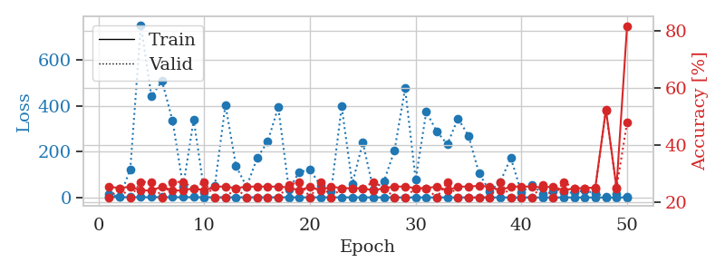
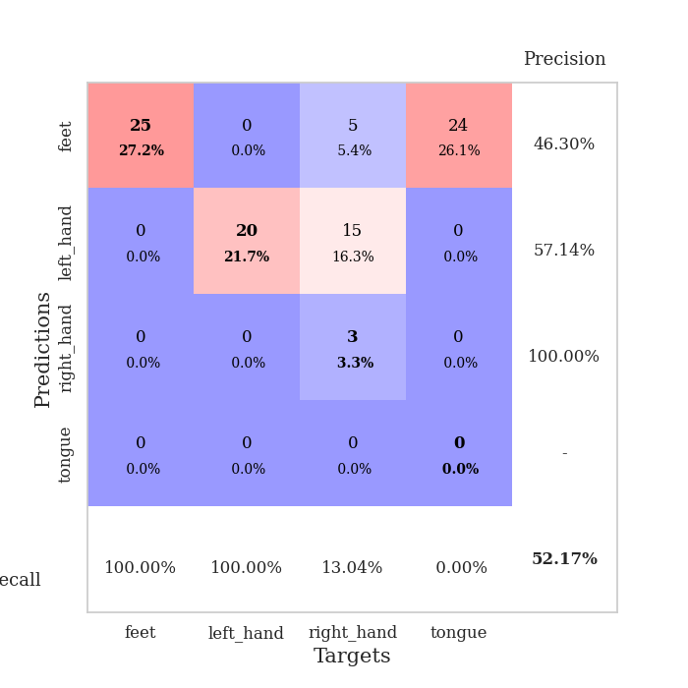
train_loss | valid_loss | train_accuracy | valid_accuracy | dur | train_misclass | valid_misclass
3.1036092769 | 14.859064434 | 0.25543478261 | 0.21739130435 | 0.11093711853 | 25.543478261 | 21.739130435
1.3669599243 | 2.3544134316 | 0.25 | 0.25 | 0.096973896027 | 25 | 25
1.0786143723 | 123.3302944 | 0.25543478261 | 0.21739130435 | 0.10492634773 | 25.543478261 | 21.739130435
1.1961090228 | 754.10431174 | 0.24184782609 | 0.27173913043 | 0.1059012413 | 24.184782609 | 27.173913043
1.096655685 | 441.9561688 | 0.24184782609 | 0.27173913043 | 0.10482382774 | 24.184782609 | 27.173913043
1.4285139597 | 509.03301339 | 0.25543478261 | 0.21739130435 | 0.10686731339 | 25.543478261 | 21.739130435
1.0880002742 | 335.42677373 | 0.24184782609 | 0.27173913043 | 0.10011339188 | 24.184782609 | 27.173913043
1.1771290821 | 47.265126602 | 0.24184782609 | 0.27173913043 | 0.10265636444 | 24.184782609 | 27.173913043
1.0909011623 | 339.15632828 | 0.25 | 0.25 | 0.10213685036 | 25 | 25
1.0089039854 | 24.691897268 | 0.24184782609 | 0.27173913043 | 0.10245370865 | 24.184782609 | 27.173913043
0.80579211271 | 51.368599104 | 0.25543478261 | 0.21739130435 | 0.10022115707 | 25.543478261 | 21.739130435
0.83731141946 | 405.18065212 | 0.25543478261 | 0.21739130435 | 0.11170554161 | 25.543478261 | 21.739130435
0.89899443155 | 138.13293523 | 0.25 | 0.25 | 0.1059448719 | 25 | 25
0.82713862476 | 46.589566936 | 0.25543478261 | 0.21739130435 | 0.1086461544 | 25.543478261 | 21.739130435
0.75748999611 | 171.95334791 | 0.25543478261 | 0.21739130435 | 0.10103058815 | 25.543478261 | 21.739130435
0.84215239209 | 244.38818956 | 0.25543478261 | 0.21739130435 | 0.10505342484 | 25.543478261 | 21.739130435
0.7938987237 | 394.84528517 | 0.25543478261 | 0.21739130435 | 0.110414505 | 25.543478261 | 21.739130435
0.67479401697 | 35.923008297 | 0.2527173913 | 0.26086956522 | 0.10799527168 | 25.27173913 | 26.086956522
0.61794146118 | 111.77397786 | 0.24184782609 | 0.27173913043 | 0.097365379333 | 24.184782609 | 27.173913043
0.64989387859 | 120.88279193 | 0.25543478261 | 0.21739130435 | 0.10355424881 | 25.543478261 | 21.739130435
0.60737347603 | 52.561863775 | 0.24184782609 | 0.27173913043 | 0.1146914959 | 24.184782609 | 27.173913043
0.64854571029 | 26.122927956 | 0.25543478261 | 0.21739130435 | 0.1110637188 | 25.543478261 | 21.739130435
0.53441950549 | 397.64996736 | 0.25 | 0.25 | 0.10376954079 | 25 | 25
0.46951246909 | 59.318387239 | 0.25 | 0.25 | 0.10403943062 | 25 | 25
0.5098051986 | 240.26304361 | 0.25 | 0.25 | 0.10367584229 | 25 | 25
0.38834438408 | 33.299500839 | 0.24184782609 | 0.27173913043 | 0.10284495354 | 24.184782609 | 27.173913043
0.3902360622 | 70.223572109 | 0.25 | 0.25 | 0.10125780106 | 25 | 25
0.32038688433 | 205.65123649 | 0.25543478261 | 0.21739130435 | 0.11029624939 | 25.543478261 | 21.739130435
0.38485531185 | 476.69757345 | 0.25543478261 | 0.21739130435 | 0.10822892189 | 25.543478261 | 21.739130435
0.28389988435 | 78.489142708 | 0.25 | 0.25 | 0.10178136826 | 25 | 25
0.30538161067 | 374.29184491 | 0.25 | 0.25 | 0.10575985909 | 25 | 25
0.31723124793 | 288.64942866 | 0.25543478261 | 0.21739130435 | 0.10723376274 | 25.543478261 | 21.739130435
0.33031972141 | 231.96511708 | 0.24184782609 | 0.27173913043 | 0.10937905312 | 24.184782609 | 27.173913043
0.28169132607 | 345.35512244 | 0.25543478261 | 0.21739130435 | 0.10113668442 | 25.543478261 | 21.739130435
0.21405374421 | 270.04178785 | 0.25543478261 | 0.21739130435 | 0.10796380043 | 25.543478261 | 21.739130435
0.1790774565 | 104.94979792 | 0.25815217391 | 0.21739130435 | 0.10076904297 | 25.815217391 | 21.739130435
0.19942306877 | 27.464283653 | 0.25543478261 | 0.21739130435 | 0.10202884674 | 25.543478261 | 21.739130435
0.14929768297 | 67.532102834 | 0.24184782609 | 0.27173913043 | 0.1159324646 | 24.184782609 | 27.173913043
0.19141899138 | 173.16011711 | 0.25543478261 | 0.21739130435 | 0.10968971252 | 25.543478261 | 21.739130435
0.16649581152 | 21.828206021 | 0.25543478261 | 0.21739130435 | 0.10864114761 | 25.543478261 | 21.739130435
0.13189025434 | 54.266298211 | 0.25543478261 | 0.21739130435 | 0.10656690598 | 25.543478261 | 21.739130435
0.127799906 | 16.07194942 | 0.2527173913 | 0.26086956522 | 0.11125040054 | 25.27173913 | 26.086956522
0.15687331347 | 27.644169351 | 0.25543478261 | 0.21739130435 | 0.10422182083 | 25.543478261 | 21.739130435
0.13607071482 | 21.591641302 | 0.24184782609 | 0.27173913043 | 0.11522579193 | 24.184782609 | 27.173913043
0.1280002066 | 21.232175329 | 0.25 | 0.25 | 0.10841369629 | 25 | 25
0.097219509619 | 31.290678356 | 0.25 | 0.25 | 0.11136507988 | 25 | 25
0.15919394888 | 16.988685235 | 0.2527173913 | 0.25 | 0.1042778492 | 25.27173913 | 25
0.11137192737 | 3.405242298 | 0.52445652174 | 0.52173913043 | 0.10339951515 | 52.445652174 | 52.173913043
0.13956711595 | 13.380096062 | 0.2527173913 | 0.25 | 0.10903501511 | 25.27173913 | 25
0.13037176487 | 2.0224701684 | 0.8152173913 | 0.47826086957 | 0.10754346848 | 81.52173913 | 47.826086957

Best Val accuracy is 0.5217391304347826 and Best test accuracy is 0.5258620689655172

Sheet10
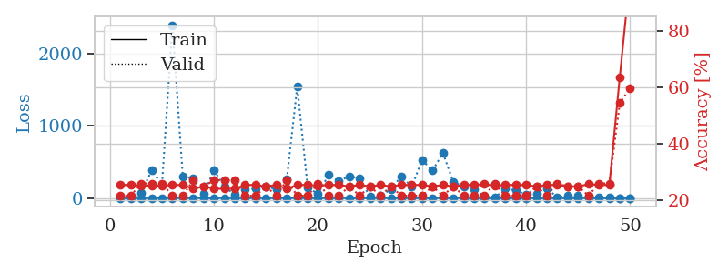

train_loss | valid_loss | train_accuracy | valid_accuracy | dur | train_misclass | valid_misclass
2.4804740781 | 5.8456245298 | 0.25543478261 | 0.21739130435 | 0.10139632225 | 25.543478261 | 21.739130435
1.3384208057 | 3.5345963084 | 0.25543478261 | 0.21739130435 | 0.1052570343 | 25.543478261 | 21.739130435
1.7278971879 | 67.292829596 | 0.2527173913 | 0.26086956522 | 0.10627985001 | 25.27173913 | 26.086956522
1.0378932279 | 384.23658951 | 0.2527173913 | 0.26086956522 | 0.10235214233 | 25.27173913 | 26.086956522
0.93431581103 | 187.02891806 | 0.2527173913 | 0.26086956522 | 0.10351896286 | 25.27173913 | 26.086956522
1.0350593199 | 2391.260721 | 0.25543478261 | 0.21739130435 | 0.1085164547 | 25.543478261 | 21.739130435
1.2938862884 | 300.96242755 | 0.25543478261 | 0.21739130435 | 0.11238622665 | 25.543478261 | 21.739130435
0.89199806815 | 275.27498594 | 0.24184782609 | 0.27173913043 | 0.10199069977 | 24.184782609 | 27.173913043
0.93155183222 | 54.841308428 | 0.25 | 0.25 | 0.11040258408 | 25 | 25
0.76928720008 | 384.13773644 | 0.24184782609 | 0.27173913043 | 0.11053586006 | 24.184782609 | 27.173913043
0.84874018768 | 161.5350156 | 0.24184782609 | 0.27173913043 | 0.10409331322 | 24.184782609 | 27.173913043
0.70718959622 | 46.679568913 | 0.24184782609 | 0.27173913043 | 0.10714149475 | 24.184782609 | 27.173913043
0.75230508913 | 118.94348145 | 0.25543478261 | 0.21739130435 | 0.10976409912 | 25.543478261 | 21.739130435
0.93014619532 | 133.70478754 | 0.25543478261 | 0.21739130435 | 0.10140442848 | 25.543478261 | 21.739130435
0.69239975966 | 160.24409883 | 0.25 | 0.25 | 0.11077356339 | 25 | 25
0.71710160115 | 122.71304985 | 0.25543478261 | 0.21739130435 | 0.11047792435 | 25.543478261 | 21.739130435
0.7271181494 | 261.08476987 | 0.24184782609 | 0.27173913043 | 0.10764312744 | 24.184782609 | 27.173913043
0.5617614531 | 1542.2959356 | 0.25543478261 | 0.21739130435 | 0.10832977295 | 25.543478261 | 21.739130435
0.55398713506 | 149.06611633 | 0.25543478261 | 0.21739130435 | 0.10860848427 | 25.543478261 | 21.739130435
0.57973876466 | 56.039914836 | 0.2527173913 | 0.26086956522 | 0.10379076004 | 25.27173913 | 26.086956522
0.49123609908 | 318.27651049 | 0.25543478261 | 0.21739130435 | 0.10873627663 | 25.543478261 | 21.739130435
0.60722655641 | 234.44728553 | 0.25543478261 | 0.21739130435 | 0.10978770256 | 25.543478261 | 21.739130435
0.52921854478 | 304.72871598 | 0.25 | 0.25 | 0.10687565804 | 25 | 25
0.50515341888 | 270.88656351 | 0.25543478261 | 0.21739130435 | 0.10507321358 | 25.543478261 | 21.739130435
0.38487238923 | 16.941685801 | 0.25 | 0.25 | 0.11671566963 | 25 | 25
0.38952723891 | 28.916394441 | 0.25543478261 | 0.21739130435 | 0.10471391678 | 25.543478261 | 21.739130435
0.37072851638 | 122.53065856 | 0.25 | 0.25 | 0.10965585709 | 25 | 25
0.41249876988 | 302.27699346 | 0.25543478261 | 0.21739130435 | 0.10336041451 | 25.543478261 | 21.739130435
0.30362385187 | 157.47936945 | 0.25543478261 | 0.21739130435 | 0.10753631592 | 25.543478261 | 21.739130435
0.32918867372 | 525.95174242 | 0.25543478261 | 0.21739130435 | 0.10556864738 | 25.543478261 | 21.739130435
0.27382757223 | 381.60485973 | 0.25 | 0.25 | 0.11274933815 | 25 | 25
0.32691505163 | 623.76776123 | 0.25543478261 | 0.21739130435 | 0.1028137207 | 25.543478261 | 21.739130435
0.28272421982 | 224.27456002 | 0.25 | 0.25 | 0.10415434837 | 25 | 25
0.24466023416 | 160.0377111 | 0.25543478261 | 0.21739130435 | 0.11009454727 | 25.543478261 | 21.739130435
0.21519553993 | 127.44098497 | 0.25543478261 | 0.21739130435 | 0.10398960114 | 25.543478261 | 21.739130435
0.19392015396 | 19.913801525 | 0.25815217391 | 0.21739130435 | 0.11049437523 | 25.815217391 | 21.739130435
0.16350684574 | 7.6328301844 | 0.2527173913 | 0.26086956522 | 0.10872721672 | 25.27173913 | 26.086956522
0.16233194611 | 130.04478455 | 0.25543478261 | 0.21739130435 | 0.10905575752 | 25.543478261 | 21.739130435
0.14123442972 | 106.11064878 | 0.25543478261 | 0.21739130435 | 0.10982871056 | 25.543478261 | 21.739130435
0.1689636236 | 49.15199993 | 0.25543478261 | 0.21739130435 | 0.10156178474 | 25.543478261 | 21.739130435
0.14937256641 | 59.622137153 | 0.25 | 0.25 | 0.1040289402 | 25 | 25
0.18834255765 | 132.77741076 | 0.25543478261 | 0.21739130435 | 0.11120891571 | 25.543478261 | 21.739130435
0.16306164642 | 10.963726624 | 0.25543478261 | 0.26086956522 | 0.10459136963 | 25.543478261 | 26.086956522
0.11432448224 | 40.66159041 | 0.25 | 0.25 | 0.10823082924 | 25 | 25
0.14392569791 | 29.207244956 | 0.25 | 0.25 | 0.10629868507 | 25 | 25
0.14090706615 | 27.816104391 | 0.25815217391 | 0.21739130435 | 0.10332965851 | 25.815217391 | 21.739130435
0.16558342233 | 13.087948799 | 0.25543478261 | 0.26086956522 | 0.11086082458 | 25.543478261 | 26.086956522
0.14680498272 | 8.3203099914 | 0.25543478261 | 0.26086956522 | 0.11422204971 | 25.543478261 | 26.086956522
0.10361029941 | 2.4594544224 | 0.63586956522 | 0.54347826087 | 0.11289095879 | 63.586956522 | 54.347826087
0.16987894216 | 1.3202990501 | 1 | 0.59782608696 | 0.10496115685 | 100 | 59.782608696

Best Val accuracy is 0.5978260869565217 and Best test accuracy is 0.6982758620689655

