Sheet
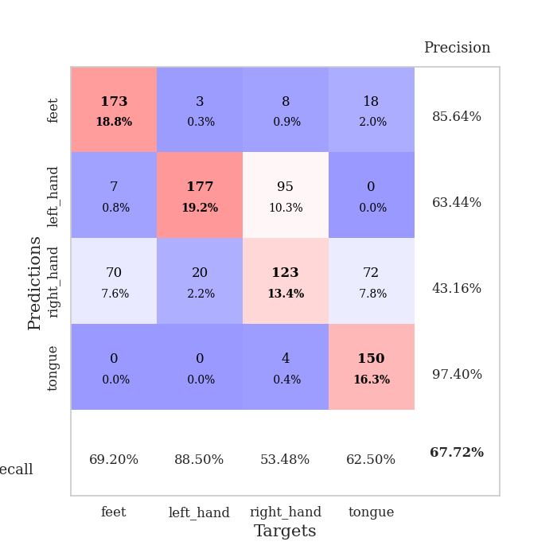
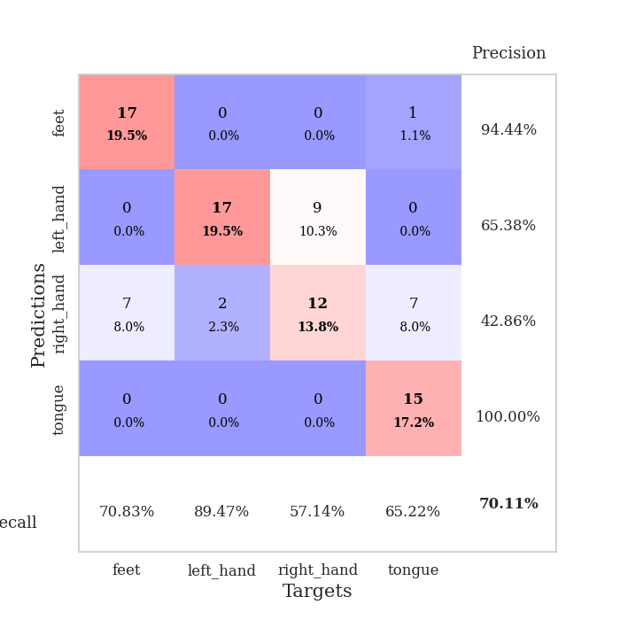
best_val_acc | best_val_los | best_test_acc
0.76086956522 | 0.83789093598 | 0.75
0.69565217391 | 0.90980030402 | 0.70689655172
0.77173913043 | 0.87802175983 | 0.75
0.57608695652 | 1.2087013721 | 0.63793103448
0.69565217391 | 1.0573793961 | 0.70689655172
0.5652173913 | 1.8831751917 | 0.62931034483
0.76086956522 | 0.76435938866 | 0.75
0.5 | 1.4739528791 | 0.5775862069
0.77173913043 | 0.99699960325 | 0.73275862069
0.67391304348 | 0.94115974592 | 0.68103448276

Mean,std Val accuracy is 0.6771739130434782 , 0.09816768057648534 and mean, std test accuracy is 0.6922413793103448 , 0.059870881018867804

Sheet1
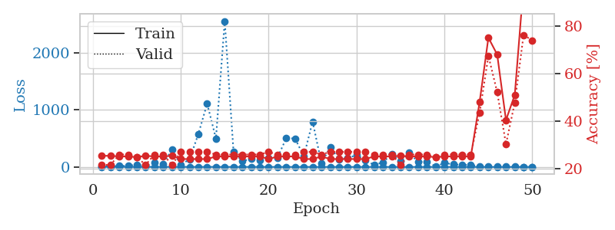
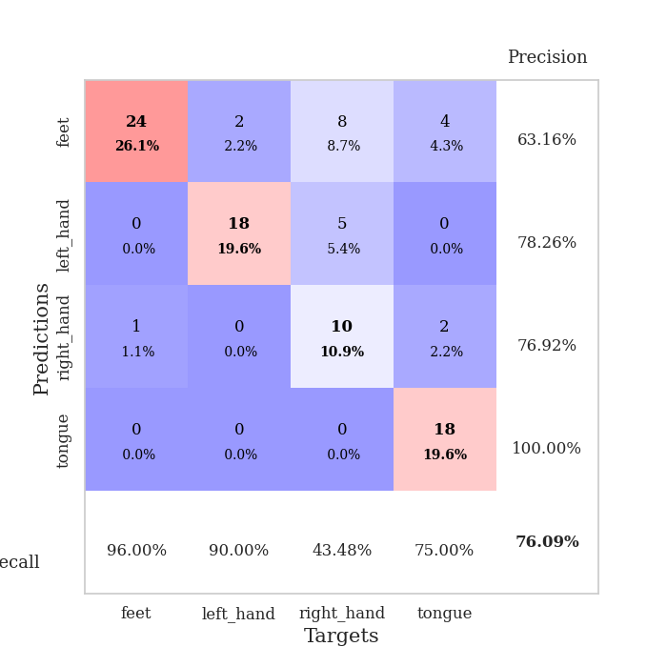
train_loss | valid_loss | train_accuracy | valid_accuracy | dur | train_misclass | valid_misclass
3.1379205507 | 12.701396445 | 0.25543478261 | 0.21739130435 | 0.11031222343 | 25.543478261 | 21.739130435
1.6423635923 | 8.4449966679 | 0.25543478261 | 0.21739130435 | 0.10239028931 | 25.543478261 | 21.739130435
1.2103421559 | 20.060906866 | 0.2527173913 | 0.26086956522 | 0.10863804817 | 25.27173913 | 26.086956522
1.079151576 | 18.210271338 | 0.2527173913 | 0.26086956522 | 0.10591435432 | 25.27173913 | 26.086956522
1.0867707833 | 39.996879578 | 0.25 | 0.25 | 0.11100482941 | 25 | 25
1.4153481722 | 17.593138239 | 0.25543478261 | 0.21739130435 | 0.1027238369 | 25.543478261 | 21.739130435
1.2702131349 | 72.418142899 | 0.2527173913 | 0.26086956522 | 0.1012635231 | 25.27173913 | 26.086956522
1.0574392832 | 56.042086892 | 0.2527173913 | 0.26086956522 | 0.10189938545 | 25.27173913 | 26.086956522
1.1670923414 | 303.51588374 | 0.25543478261 | 0.21739130435 | 0.098310470581 | 25.543478261 | 21.739130435
0.86611375342 | 40.376064301 | 0.24184782609 | 0.27173913043 | 0.097498416901 | 24.184782609 | 27.173913043
0.78886280371 | 134.17681354 | 0.24184782609 | 0.27173913043 | 0.10580730438 | 24.184782609 | 27.173913043
0.83643418421 | 578.64853038 | 0.24184782609 | 0.27173913043 | 0.098130941391 | 24.184782609 | 27.173913043
0.91283300519 | 1111.9548446 | 0.24184782609 | 0.27173913043 | 0.098109722137 | 24.184782609 | 27.173913043
0.96056740699 | 498.41126682 | 0.2527173913 | 0.26086956522 | 0.098571062088 | 25.27173913 | 26.086956522
0.69234017445 | 2560.9209409 | 0.2527173913 | 0.26086956522 | 0.09836101532 | 25.27173913 | 26.086956522
0.70901615853 | 271.44839079 | 0.2527173913 | 0.26086956522 | 0.098493099213 | 25.27173913 | 26.086956522
0.70149642747 | 98.349003999 | 0.2527173913 | 0.26086956522 | 0.098384141922 | 25.27173913 | 26.086956522
0.70543878882 | 147.57791536 | 0.2527173913 | 0.26086956522 | 0.10181856155 | 25.27173913 | 26.086956522
0.58115213462 | 120.57731131 | 0.2527173913 | 0.26086956522 | 0.099369287491 | 25.27173913 | 26.086956522
0.65231101021 | 160.63276274 | 0.24184782609 | 0.27173913043 | 0.097593784332 | 24.184782609 | 27.173913043
0.51551979586 | 162.1109639 | 0.2527173913 | 0.26086956522 | 0.10593247414 | 25.27173913 | 26.086956522
0.47265488752 | 505.33077074 | 0.2527173913 | 0.26086956522 | 0.11023688316 | 25.27173913 | 26.086956522
0.48800621765 | 499.01990808 | 0.2527173913 | 0.26086956522 | 0.10439705849 | 25.27173913 | 26.086956522
0.52178663793 | 186.59789774 | 0.24184782609 | 0.27173913043 | 0.09737443924 | 24.184782609 | 27.173913043
0.39385765337 | 797.07193657 | 0.24184782609 | 0.27173913043 | 0.097853899002 | 24.184782609 | 27.173913043
0.35159801141 | 66.988289709 | 0.2527173913 | 0.26086956522 | 0.10328531265 | 25.27173913 | 26.086956522
0.33981020133 | 346.75882489 | 0.24184782609 | 0.27173913043 | 0.10386347771 | 24.184782609 | 27.173913043
0.36395719485 | 135.42250326 | 0.24184782609 | 0.27173913043 | 0.10610198975 | 24.184782609 | 27.173913043
0.34305603057 | 159.07617785 | 0.24184782609 | 0.27173913043 | 0.10549402237 | 24.184782609 | 27.173913043
0.32654709337 | 206.31378705 | 0.24184782609 | 0.27173913043 | 0.11063027382 | 24.184782609 | 27.173913043
0.30704985559 | 120.78303926 | 0.24184782609 | 0.27173913043 | 0.10551571846 | 24.184782609 | 27.173913043
0.27933753217 | 34.111659672 | 0.2527173913 | 0.26086956522 | 0.10466170311 | 25.27173913 | 26.086956522
0.20669959647 | 81.968310481 | 0.2527173913 | 0.26086956522 | 0.10787796974 | 25.27173913 | 26.086956522
0.14330159338 | 223.81108292 | 0.2527173913 | 0.26086956522 | 0.10901713371 | 25.27173913 | 26.086956522
0.21328216338 | 100.06661357 | 0.25543478261 | 0.21739130435 | 0.10867357254 | 25.543478261 | 21.739130435
0.17318176895 | 246.46001534 | 0.2527173913 | 0.26086956522 | 0.098449468613 | 25.27173913 | 26.086956522
0.18602523159 | 87.055596061 | 0.2527173913 | 0.26086956522 | 0.097728729248 | 25.27173913 | 26.086956522
0.17095714111 | 95.835231947 | 0.2527173913 | 0.26086956522 | 0.098167419434 | 25.27173913 | 26.086956522
0.16848331479 | 5.3324529399 | 0.25 | 0.25 | 0.09806227684 | 25 | 25
0.2043274754 | 71.006582177 | 0.2527173913 | 0.26086956522 | 0.10123634338 | 25.27173913 | 26.086956522
0.16031245661 | 43.966997727 | 0.2527173913 | 0.26086956522 | 0.1088757515 | 25.27173913 | 26.086956522
0.13500871477 | 37.386253191 | 0.2527173913 | 0.26086956522 | 0.10895299911 | 25.27173913 | 26.086956522
0.10889183123 | 33.945718351 | 0.2527173913 | 0.26086956522 | 0.10172176361 | 25.27173913 | 26.086956522
0.12299956981 | 15.065527377 | 0.48097826087 | 0.4347826087 | 0.10556912422 | 48.097826087 | 43.47826087
0.12998802158 | 6.2855423637 | 0.75 | 0.67391304348 | 0.098826646805 | 75 | 67.391304348
0.11943688199 | 6.1421341481 | 0.67934782609 | 0.52173913043 | 0.10156297684 | 67.934782609 | 52.173913043
0.12288456613 | 6.2407442383 | 0.40489130435 | 0.30434782609 | 0.10526013374 | 40.489130435 | 30.434782609
0.12710496119 | 5.1037924808 | 0.51086956522 | 0.47826086957 | 0.098332881927 | 51.086956522 | 47.826086957
0.11378735903 | 0.83789093598 | 0.97010869565 | 0.76086956522 | 0.1051568985 | 97.010869565 | 76.086956522
0.10388607661 | 0.98947781843 | 1 | 0.73913043478 | 0.10596585274 | 100 | 73.913043478

Best Val accuracy is 0.7608695652173914 and Best test accuracy is 0.75

Sheet2
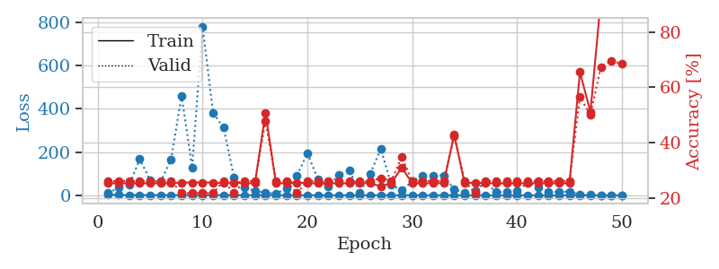
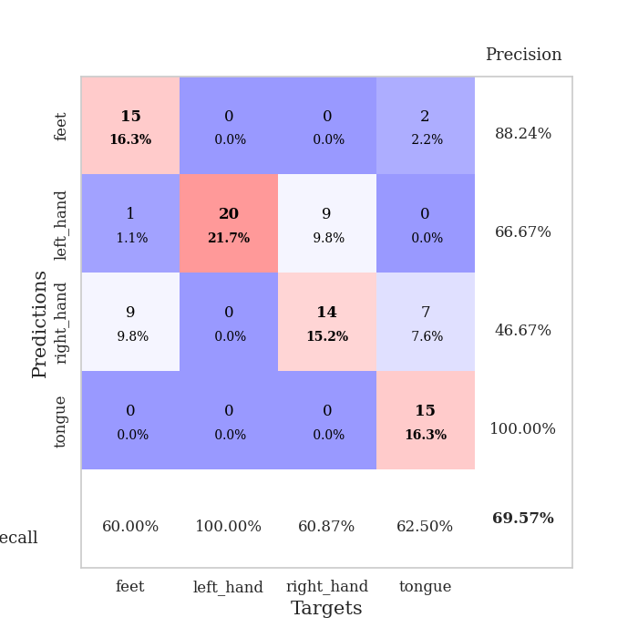
train_loss | valid_loss | train_accuracy | valid_accuracy | dur | train_misclass | valid_misclass
3.3607569777 | 9.8864491504 | 0.2527173913 | 0.26086956522 | 0.098698377609 | 25.27173913 | 26.086956522
1.5427246457 | 36.619358063 | 0.2527173913 | 0.26086956522 | 0.1079761982 | 25.27173913 | 26.086956522
1.1570281568 | 47.679664778 | 0.2527173913 | 0.26086956522 | 0.1035861969 | 25.27173913 | 26.086956522
1.1799912505 | 167.27050051 | 0.2527173913 | 0.26086956522 | 0.11195540428 | 25.27173913 | 26.086956522
1.0908745372 | 69.85561205 | 0.2527173913 | 0.26086956522 | 0.10965681076 | 25.27173913 | 26.086956522
1.2299563289 | 62.707554859 | 0.2527173913 | 0.26086956522 | 0.11037945747 | 25.27173913 | 26.086956522
1.091796634 | 166.94151771 | 0.2527173913 | 0.26086956522 | 0.10339689255 | 25.27173913 | 26.086956522
0.92314640854 | 459.90712838 | 0.25543478261 | 0.21739130435 | 0.10828638077 | 25.543478261 | 21.739130435
0.93402736861 | 128.96405361 | 0.25543478261 | 0.21739130435 | 0.10066890717 | 25.543478261 | 21.739130435
1.1168582828 | 778.69834037 | 0.25543478261 | 0.21739130435 | 0.10374760628 | 25.543478261 | 21.739130435
1.1328437484 | 381.00357321 | 0.25543478261 | 0.21739130435 | 0.10462474823 | 25.543478261 | 21.739130435
0.85808931485 | 312.44893348 | 0.2527173913 | 0.26086956522 | 0.10565423965 | 25.27173913 | 26.086956522
0.80953184418 | 82.907575193 | 0.25543478261 | 0.21739130435 | 0.1034758091 | 25.543478261 | 21.739130435
0.79602303194 | 37.173247462 | 0.2527173913 | 0.26086956522 | 0.10256671906 | 25.27173913 | 26.086956522
0.81629831376 | 19.690055847 | 0.2527173913 | 0.26086956522 | 0.11007642746 | 25.27173913 | 26.086956522
0.72738062558 | 13.175616389 | 0.50815217391 | 0.47826086957 | 0.10994815826 | 50.815217391 | 47.826086957
0.61159630962 | 7.2177270806 | 0.2527173913 | 0.26086956522 | 0.098898649216 | 25.27173913 | 26.086956522
0.61093816161 | 33.017565105 | 0.2527173913 | 0.26086956522 | 0.10727262497 | 25.27173913 | 26.086956522
0.51273201471 | 90.664319577 | 0.25543478261 | 0.21739130435 | 0.10438585281 | 25.543478261 | 21.739130435
0.55561517244 | 195.16519762 | 0.2527173913 | 0.26086956522 | 0.10344719887 | 25.27173913 | 26.086956522
0.52872385927 | 72.871427121 | 0.2527173913 | 0.26086956522 | 0.10649085045 | 25.27173913 | 26.086956522
0.462355282 | 40.740105339 | 0.2527173913 | 0.26086956522 | 0.10458302498 | 25.27173913 | 26.086956522
0.5499160983 | 96.114543417 | 0.2527173913 | 0.26086956522 | 0.10677146912 | 25.27173913 | 26.086956522
0.51231150459 | 115.32272206 | 0.2527173913 | 0.26086956522 | 0.10617995262 | 25.27173913 | 26.086956522
0.36106510622 | 13.380804352 | 0.2527173913 | 0.26086956522 | 0.11037778854 | 25.27173913 | 26.086956522
0.3994676406 | 99.280359683 | 0.2527173913 | 0.26086956522 | 0.10656714439 | 25.27173913 | 26.086956522
0.4660851016 | 215.54886727 | 0.24184782609 | 0.27173913043 | 0.11202454567 | 24.184782609 | 27.173913043
0.4339618631 | 50.230732793 | 0.2527173913 | 0.26086956522 | 0.11071586609 | 25.27173913 | 26.086956522
0.30317214909 | 23.093111453 | 0.3097826087 | 0.34782608696 | 0.1108751297 | 30.97826087 | 34.782608696
0.308726945 | 63.859320102 | 0.2527173913 | 0.26086956522 | 0.1054713726 | 25.27173913 | 26.086956522
0.28757126532 | 89.368883548 | 0.2527173913 | 0.26086956522 | 0.10402441025 | 25.27173913 | 26.086956522
0.2787515926 | 90.889321037 | 0.2527173913 | 0.26086956522 | 0.10173630714 | 25.27173913 | 26.086956522
0.23392162731 | 91.645124684 | 0.2527173913 | 0.26086956522 | 0.10125780106 | 25.27173913 | 26.086956522
0.21568652672 | 28.273963762 | 0.42934782609 | 0.42391304348 | 0.10149526596 | 42.934782609 | 42.391304348
0.22132510676 | 11.469722416 | 0.2527173913 | 0.26086956522 | 0.10505127907 | 25.27173913 | 26.086956522
0.20682168687 | 21.907776625 | 0.25543478261 | 0.21739130435 | 0.10836338997 | 25.543478261 | 21.739130435
0.16247973267 | 59.618202707 | 0.2527173913 | 0.26086956522 | 0.1090798378 | 25.27173913 | 26.086956522
0.16108628452 | 14.959194349 | 0.2527173913 | 0.26086956522 | 0.10726928711 | 25.27173913 | 26.086956522
0.18068609111 | 14.575310168 | 0.2527173913 | 0.26086956522 | 0.11185622215 | 25.27173913 | 26.086956522
0.14639187418 | 20.242274492 | 0.2527173913 | 0.26086956522 | 0.11135220528 | 25.27173913 | 26.086956522
0.18527665119 | 57.989005545 | 0.2527173913 | 0.26086956522 | 0.1153626442 | 25.27173913 | 26.086956522
0.12982145013 | 36.758670475 | 0.2527173913 | 0.26086956522 | 0.10498785973 | 25.27173913 | 26.086956522
0.12840005075 | 16.099288692 | 0.2527173913 | 0.26086956522 | 0.10689258575 | 25.27173913 | 26.086956522
0.11754912826 | 15.821573175 | 0.2527173913 | 0.26086956522 | 0.098752737045 | 25.27173913 | 26.086956522
0.12162126925 | 17.914591499 | 0.2527173913 | 0.26086956522 | 0.10619497299 | 25.27173913 | 26.086956522
0.20313815773 | 2.2779497582 | 0.65489130435 | 0.5652173913 | 0.10867500305 | 65.489130435 | 56.52173913
0.12648560273 | 2.1569788145 | 0.51086956522 | 0.5 | 0.10150074959 | 51.086956522 | 50
0.11546296173 | 1.2817669433 | 0.91847826087 | 0.67391304348 | 0.10044002533 | 91.847826087 | 67.391304348
0.1160449022 | 0.90980030402 | 0.99456521739 | 0.69565217391 | 0.10441184044 | 99.456521739 | 69.565217391
0.13398855471 | 0.939426093 | 0.99184782609 | 0.6847826087 | 0.10457158089 | 99.184782609 | 68.47826087

Best Val accuracy is 0.6956521739130435 and Best test accuracy is 0.7068965517241379

Sheet3
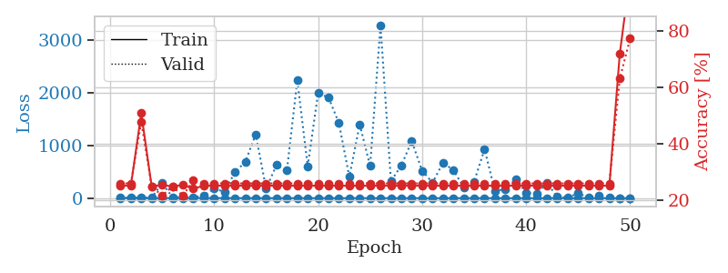
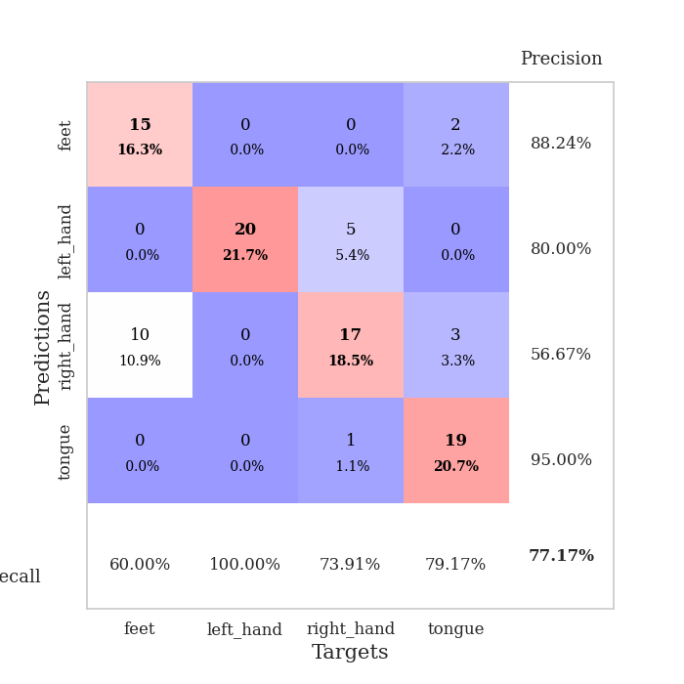
train_loss | valid_loss | train_accuracy | valid_accuracy | dur | train_misclass | valid_misclass
2.6020378885 | 5.0875592439 | 0.2527173913 | 0.26086956522 | 0.10265445709 | 25.27173913 | 26.086956522
1.2276720456 | 7.5416298535 | 0.2527173913 | 0.26086956522 | 0.10355710983 | 25.27173913 | 26.086956522
1.1938686967 | 8.3185440561 | 0.50815217391 | 0.47826086957 | 0.11266136169 | 50.815217391 | 47.826086957
1.1389813682 | 6.4214638212 | 0.25 | 0.25 | 0.10136842728 | 25 | 25
1.1211305002 | 280.83010599 | 0.25543478261 | 0.21739130435 | 0.10169363022 | 25.543478261 | 21.739130435
1.1755959793 | 20.420715913 | 0.25 | 0.25 | 0.11271834373 | 25 | 25
1.0985590323 | 15.594758365 | 0.25543478261 | 0.21739130435 | 0.10494565964 | 25.543478261 | 21.739130435
1.0016991004 | 18.735649441 | 0.24184782609 | 0.27173913043 | 0.1145966053 | 24.184782609 | 27.173913043
1.1291836422 | 46.860559215 | 0.2527173913 | 0.26086956522 | 0.10787034035 | 25.27173913 | 26.086956522
0.96195559657 | 181.59863613 | 0.2527173913 | 0.26086956522 | 0.10467815399 | 25.27173913 | 26.086956522
0.89384958018 | 119.65773242 | 0.2527173913 | 0.26086956522 | 0.099195241928 | 25.27173913 | 26.086956522
0.76062686806 | 491.30854068 | 0.2527173913 | 0.26086956522 | 0.11020350456 | 25.27173913 | 26.086956522
0.94422376933 | 689.65593952 | 0.2527173913 | 0.26086956522 | 0.11125779152 | 25.27173913 | 26.086956522
0.76151813243 | 1210.7129596 | 0.2527173913 | 0.26086956522 | 0.10630869865 | 25.27173913 | 26.086956522
0.68620069001 | 181.00749339 | 0.2527173913 | 0.26086956522 | 0.1028239727 | 25.27173913 | 26.086956522
0.69850620109 | 627.71286143 | 0.2527173913 | 0.26086956522 | 0.10417342186 | 25.27173913 | 26.086956522
0.74238070327 | 524.54313991 | 0.2527173913 | 0.26086956522 | 0.10482740402 | 25.27173913 | 26.086956522
0.6588300622 | 2237.8690239 | 0.2527173913 | 0.26086956522 | 0.10535502434 | 25.27173913 | 26.086956522
0.62056162306 | 606.18343187 | 0.2527173913 | 0.26086956522 | 0.10135531425 | 25.27173913 | 26.086956522
0.46602804764 | 1994.1342827 | 0.2527173913 | 0.26086956522 | 0.099955320358 | 25.27173913 | 26.086956522
0.48889318432 | 1912.1057182 | 0.2527173913 | 0.26086956522 | 0.10036611557 | 25.27173913 | 26.086956522
0.40407447258 | 1426.5537162 | 0.2527173913 | 0.26086956522 | 0.10022878647 | 25.27173913 | 26.086956522
0.4241992287 | 404.81839785 | 0.2527173913 | 0.26086956522 | 0.10861778259 | 25.27173913 | 26.086956522
0.37597559004 | 1400.1133396 | 0.2527173913 | 0.26086956522 | 0.096771478653 | 25.27173913 | 26.086956522
0.35477654409 | 609.25069527 | 0.2527173913 | 0.26086956522 | 0.10312986374 | 25.27173913 | 26.086956522
0.37754960779 | 3287.3876529 | 0.2527173913 | 0.26086956522 | 0.096911668777 | 25.27173913 | 26.086956522
0.36143781601 | 323.07690164 | 0.2527173913 | 0.26086956522 | 0.1078004837 | 25.27173913 | 26.086956522
0.26578454803 | 620.16711426 | 0.2527173913 | 0.26086956522 | 0.11173391342 | 25.27173913 | 26.086956522
0.30814660891 | 1081.4699919 | 0.2527173913 | 0.26086956522 | 0.096456050873 | 25.27173913 | 26.086956522
0.25518103495 | 521.93560526 | 0.2527173913 | 0.26086956522 | 0.10002875328 | 25.27173913 | 26.086956522
0.18367499453 | 292.55182017 | 0.2527173913 | 0.26086956522 | 0.10726332664 | 25.27173913 | 26.086956522
0.24394347583 | 671.8215332 | 0.2527173913 | 0.26086956522 | 0.1061501503 | 25.27173913 | 26.086956522
0.20985682679 | 534.75580365 | 0.2527173913 | 0.26086956522 | 0.10674142838 | 25.27173913 | 26.086956522
0.19823803801 | 201.63038901 | 0.2527173913 | 0.26086956522 | 0.10063481331 | 25.27173913 | 26.086956522
0.16500526327 | 313.71289991 | 0.2527173913 | 0.26086956522 | 0.10469937325 | 25.27173913 | 26.086956522
0.12623575476 | 929.71475087 | 0.2527173913 | 0.26086956522 | 0.10738253593 | 25.27173913 | 26.086956522
0.17895717044 | 134.08835701 | 0.2527173913 | 0.26086956522 | 0.10486197472 | 25.27173913 | 26.086956522
0.14390346035 | 174.21992625 | 0.2527173913 | 0.26086956522 | 0.10875964165 | 25.27173913 | 26.086956522
0.14376571353 | 360.37934676 | 0.2527173913 | 0.26086956522 | 0.11710619926 | 25.27173913 | 26.086956522
0.12182851901 | 103.0983565 | 0.2527173913 | 0.26086956522 | 0.10108971596 | 25.27173913 | 26.086956522
0.14349957547 | 79.943165323 | 0.2527173913 | 0.26086956522 | 0.10291028023 | 25.27173913 | 26.086956522
0.11527059397 | 286.55402009 | 0.2527173913 | 0.26086956522 | 0.10699295998 | 25.27173913 | 26.086956522
0.12288758389 | 26.847338386 | 0.2527173913 | 0.26086956522 | 0.10690236092 | 25.27173913 | 26.086956522
0.11201003919 | 9.7435531616 | 0.2527173913 | 0.26086956522 | 0.10189199448 | 25.27173913 | 26.086956522
0.10569476002 | 93.602797798 | 0.2527173913 | 0.26086956522 | 0.10900044441 | 25.27173913 | 26.086956522
0.099651842955 | 10.229768629 | 0.2527173913 | 0.26086956522 | 0.11030864716 | 25.27173913 | 26.086956522
0.088237520611 | 45.496342369 | 0.2527173913 | 0.26086956522 | 0.10971903801 | 25.27173913 | 26.086956522
0.11585931666 | 16.238965988 | 0.2527173913 | 0.26086956522 | 0.10805535316 | 25.27173913 | 26.086956522
0.095398444318 | 1.7834886675 | 0.71739130435 | 0.63043478261 | 0.10697865486 | 71.739130435 | 63.043478261
0.088341900876 | 0.87802175983 | 1 | 0.77173913043 | 0.10788822174 | 100 | 77.173913043

Best Val accuracy is 0.7717391304347826 and Best test accuracy is 0.75

Sheet4
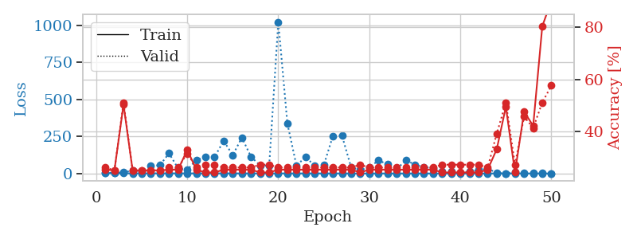
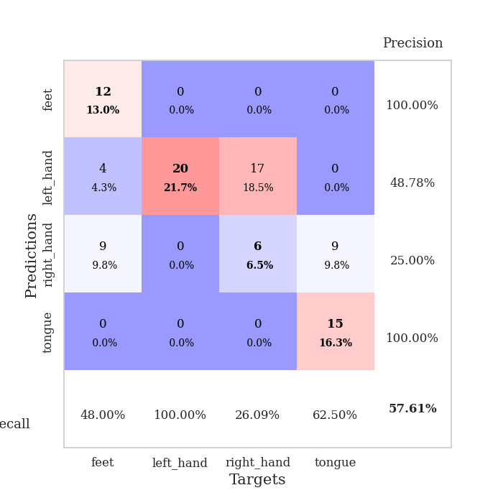
train_loss | valid_loss | train_accuracy | valid_accuracy | dur | train_misclass | valid_misclass
2.7809735925 | 3.4217211267 | 0.2527173913 | 0.26086956522 | 0.10070371628 | 25.27173913 | 26.086956522
1.7474242604 | 4.8936732748 | 0.25 | 0.25 | 0.10067605972 | 25 | 25
1.4645907827 | 7.4626125667 | 0.5027173913 | 0.51086956522 | 0.098526000977 | 50.27173913 | 51.086956522
1.1355263876 | 20.239477489 | 0.25 | 0.25 | 0.099879741669 | 25 | 25
1.2442887762 | 13.979893601 | 0.25 | 0.25 | 0.099467277527 | 25 | 25
1.0090591078 | 50.310211679 | 0.25 | 0.25 | 0.10048270226 | 25 | 25
1.2585659105 | 56.145501842 | 0.25 | 0.25 | 0.10770726204 | 25 | 25
1.0285565231 | 136.00576019 | 0.2527173913 | 0.26086956522 | 0.10204410553 | 25.27173913 | 26.086956522
0.96979908321 | 34.10473865 | 0.2527173913 | 0.26086956522 | 0.10608196259 | 25.27173913 | 26.086956522
0.94252639361 | 24.76284392 | 0.32880434783 | 0.3152173913 | 0.10946345329 | 32.880434783 | 31.52173913
0.78744155687 | 91.299338631 | 0.2527173913 | 0.26086956522 | 0.11096358299 | 25.27173913 | 26.086956522
0.94811118686 | 111.45770761 | 0.24184782609 | 0.27173913043 | 0.11530613899 | 24.184782609 | 27.173913043
0.86569055397 | 111.29577471 | 0.24184782609 | 0.27173913043 | 0.10541629791 | 24.184782609 | 27.173913043
0.94956054247 | 220.40418277 | 0.2527173913 | 0.26086956522 | 0.10755324364 | 25.27173913 | 26.086956522
0.68165370368 | 123.78886778 | 0.2527173913 | 0.26086956522 | 0.11252880096 | 25.27173913 | 26.086956522
0.65971211117 | 242.38001749 | 0.2527173913 | 0.26086956522 | 0.10893058777 | 25.27173913 | 26.086956522
0.60932067037 | 113.51224551 | 0.2527173913 | 0.26086956522 | 0.11340165138 | 25.27173913 | 26.086956522
0.67245779284 | 53.667719136 | 0.24184782609 | 0.27173913043 | 0.11097955704 | 24.184782609 | 27.173913043
0.54255945397 | 51.996073847 | 0.24184782609 | 0.27173913043 | 0.10669279099 | 24.184782609 | 27.173913043
0.57200785953 | 1022.9710614 | 0.2527173913 | 0.26086956522 | 0.10967421532 | 25.27173913 | 26.086956522
0.61689754932 | 337.37944628 | 0.2527173913 | 0.26086956522 | 0.10414552689 | 25.27173913 | 26.086956522
0.52979615849 | 52.115298893 | 0.2527173913 | 0.26086956522 | 0.10673260689 | 25.27173913 | 26.086956522
0.51466836327 | 112.5155361 | 0.2527173913 | 0.26086956522 | 0.10147976875 | 25.27173913 | 26.086956522
0.45614868402 | 51.06314684 | 0.2527173913 | 0.26086956522 | 0.10691976547 | 25.27173913 | 26.086956522
0.461053685 | 56.04679854 | 0.2527173913 | 0.26086956522 | 0.10443162918 | 25.27173913 | 26.086956522
0.40667650168 | 253.77114404 | 0.2527173913 | 0.26086956522 | 0.10973882675 | 25.27173913 | 26.086956522
0.4610378794 | 255.11541151 | 0.2527173913 | 0.26086956522 | 0.11093950272 | 25.27173913 | 26.086956522
0.32270195222 | 41.821049898 | 0.2527173913 | 0.26086956522 | 0.1018075943 | 25.27173913 | 26.086956522
0.30711924042 | 23.133717164 | 0.24184782609 | 0.27173913043 | 0.10778975487 | 24.184782609 | 27.173913043
0.3224589815 | 39.855777906 | 0.2527173913 | 0.26086956522 | 0.10139274597 | 25.27173913 | 26.086956522
0.277490507 | 88.710806142 | 0.2527173913 | 0.26086956522 | 0.10275650024 | 25.27173913 | 26.086956522
0.24280896993 | 61.869397868 | 0.2527173913 | 0.26086956522 | 0.10591101646 | 25.27173913 | 26.086956522
0.25411753778 | 26.533774417 | 0.2527173913 | 0.26086956522 | 0.11021471024 | 25.27173913 | 26.086956522
0.28986986111 | 91.786557405 | 0.2527173913 | 0.26086956522 | 0.10812330246 | 25.27173913 | 26.086956522
0.23686720836 | 59.052581953 | 0.2527173913 | 0.26086956522 | 0.10735201836 | 25.27173913 | 26.086956522
0.23317821032 | 42.098902163 | 0.2527173913 | 0.26086956522 | 0.10761213303 | 25.27173913 | 26.086956522
0.18680950141 | 38.357033439 | 0.2527173913 | 0.26086956522 | 0.10464549065 | 25.27173913 | 26.086956522
0.23082521623 | 12.780570528 | 0.24184782609 | 0.27173913043 | 0.10604381561 | 24.184782609 | 27.173913043
0.1656247528 | 13.735050367 | 0.24184782609 | 0.27173913043 | 0.1052365303 | 24.184782609 | 27.173913043
0.15309528132 | 6.5678962832 | 0.24184782609 | 0.27173913043 | 0.10883283615 | 24.184782609 | 27.173913043
0.19004064393 | 12.583371867 | 0.24184782609 | 0.27173913043 | 0.11151194572 | 24.184782609 | 27.173913043
0.18332731319 | 22.934749686 | 0.24184782609 | 0.27173913043 | 0.10814642906 | 24.184782609 | 27.173913043
0.14274830752 | 31.678197114 | 0.2527173913 | 0.26086956522 | 0.10269641876 | 25.27173913 | 26.086956522
0.14696977579 | 5.6043760673 | 0.33152173913 | 0.39130434783 | 0.1028175354 | 33.152173913 | 39.130434783
0.15103464768 | 1.2441986955 | 0.49456521739 | 0.51086956522 | 0.10489344597 | 49.456521739 | 51.086956522
0.15210370752 | 6.8654722338 | 0.24184782609 | 0.27173913043 | 0.10837864876 | 24.184782609 | 27.173913043
0.15265234884 | 3.2294837807 | 0.47554347826 | 0.45652173913 | 0.10562062263 | 47.554347826 | 45.652173913
0.13545399981 | 5.4740558293 | 0.42119565217 | 0.41304347826 | 0.10348653793 | 42.119565217 | 41.304347826
0.15914699856 | 1.4596949816 | 0.80434782609 | 0.51086956522 | 0.10601592064 | 80.434782609 | 51.086956522
0.12051097328 | 1.2087013721 | 0.90217391304 | 0.57608695652 | 0.10971283913 | 90.217391304 | 57.608695652

Best Val accuracy is 0.5760869565217391 and Best test accuracy is 0.6379310344827587

Sheet5
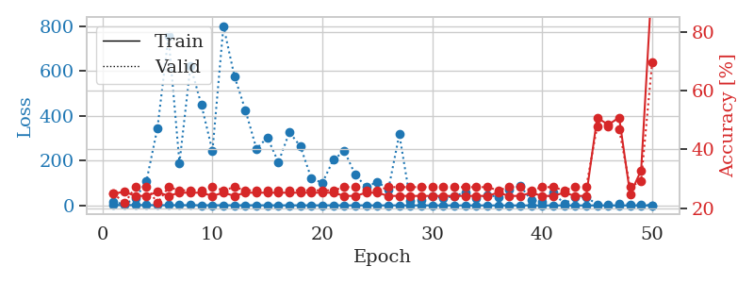
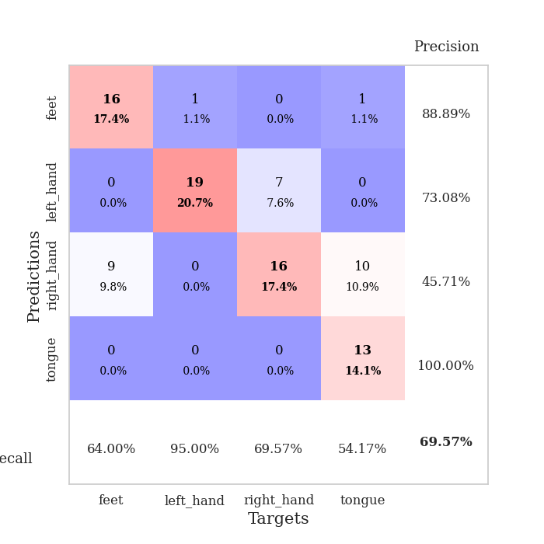
train_loss | valid_loss | train_accuracy | valid_accuracy | dur | train_misclass | valid_misclass
2.3448126342 | 14.80866909 | 0.25 | 0.25 | 0.10368680954 | 25 | 25
1.531325164 | 5.9278292656 | 0.25543478261 | 0.21739130435 | 0.10187244415 | 25.543478261 | 21.739130435
1.8771869048 | 30.939279639 | 0.24184782609 | 0.27173913043 | 0.099935531616 | 24.184782609 | 27.173913043
1.6942893811 | 109.23803081 | 0.24184782609 | 0.27173913043 | 0.10109090805 | 24.184782609 | 27.173913043
1.1896041969 | 346.26371964 | 0.25543478261 | 0.21739130435 | 0.10044288635 | 25.543478261 | 21.739130435
1.0973324335 | 755.59909721 | 0.24184782609 | 0.27173913043 | 0.099825382233 | 24.184782609 | 27.173913043
1.1282126541 | 189.26262101 | 0.2527173913 | 0.26086956522 | 0.10102581978 | 25.27173913 | 26.086956522
1.2555060672 | 623.90546716 | 0.2527173913 | 0.26086956522 | 0.10152840614 | 25.27173913 | 26.086956522
1.0002948642 | 447.94834966 | 0.2527173913 | 0.26086956522 | 0.10085225105 | 25.27173913 | 26.086956522
1.0136780713 | 242.22158415 | 0.24184782609 | 0.27173913043 | 0.10086584091 | 24.184782609 | 27.173913043
0.84182554483 | 801.23873769 | 0.2527173913 | 0.26086956522 | 0.10126447678 | 25.27173913 | 26.086956522
0.81195210633 | 576.89132823 | 0.24184782609 | 0.27173913043 | 0.10376262665 | 24.184782609 | 27.173913043
0.86350935179 | 425.11441305 | 0.2527173913 | 0.26086956522 | 0.10862183571 | 25.27173913 | 26.086956522
0.74695423245 | 253.29868814 | 0.2527173913 | 0.26086956522 | 0.11455059052 | 25.27173913 | 26.086956522
0.69010982824 | 302.93795644 | 0.2527173913 | 0.26086956522 | 0.10881328583 | 25.27173913 | 26.086956522
0.63226113112 | 192.36520187 | 0.2527173913 | 0.26086956522 | 0.1071536541 | 25.27173913 | 26.086956522
0.55312322339 | 326.93656457 | 0.2527173913 | 0.26086956522 | 0.10334992409 | 25.27173913 | 26.086956522
0.60857494111 | 263.71397466 | 0.2527173913 | 0.26086956522 | 0.10425186157 | 25.27173913 | 26.086956522
0.54944450311 | 120.10493237 | 0.2527173913 | 0.26086956522 | 0.10532736778 | 25.27173913 | 26.086956522
0.6044579239 | 101.14930559 | 0.2527173913 | 0.26086956522 | 0.101313591 | 25.27173913 | 26.086956522
0.55211391851 | 203.86005501 | 0.2527173913 | 0.26086956522 | 0.10864853859 | 25.27173913 | 26.086956522
0.50395274681 | 242.57535321 | 0.24184782609 | 0.27173913043 | 0.10424661636 | 24.184782609 | 27.173913043
0.45599921436 | 136.34940902 | 0.24184782609 | 0.27173913043 | 0.10628247261 | 24.184782609 | 27.173913043
0.40720322242 | 81.426304361 | 0.2527173913 | 0.26086956522 | 0.10475969315 | 25.27173913 | 26.086956522
0.35143201895 | 105.88165117 | 0.2527173913 | 0.26086956522 | 0.10809731483 | 25.27173913 | 26.086956522
0.38065106648 | 70.167284426 | 0.24184782609 | 0.27173913043 | 0.11279582977 | 24.184782609 | 27.173913043
0.43014975475 | 317.2642265 | 0.24184782609 | 0.27173913043 | 0.10722255707 | 24.184782609 | 27.173913043
0.33960269456 | 21.141048929 | 0.24184782609 | 0.27173913043 | 0.10459136963 | 24.184782609 | 27.173913043
0.27009995865 | 25.4192276 | 0.24184782609 | 0.27173913043 | 0.10280776024 | 24.184782609 | 27.173913043
0.30665473203 | 39.015161265 | 0.24184782609 | 0.27173913043 | 0.10657334328 | 24.184782609 | 27.173913043
0.20652689931 | 33.571751304 | 0.24184782609 | 0.27173913043 | 0.10445046425 | 24.184782609 | 27.173913043
0.21540893128 | 41.297130253 | 0.24184782609 | 0.27173913043 | 0.10597538948 | 24.184782609 | 27.173913043
0.24005613525 | 58.493102696 | 0.24184782609 | 0.27173913043 | 0.11016535759 | 24.184782609 | 27.173913043
0.18576957366 | 30.785820505 | 0.24184782609 | 0.27173913043 | 0.10911440849 | 24.184782609 | 27.173913043
0.21011037882 | 46.120896878 | 0.24184782609 | 0.27173913043 | 0.11331868172 | 24.184782609 | 27.173913043
0.18537191115 | 38.614333111 | 0.2527173913 | 0.26086956522 | 0.10972690582 | 25.27173913 | 26.086956522
0.1596363642 | 69.414583289 | 0.24184782609 | 0.27173913043 | 0.11103034019 | 24.184782609 | 27.173913043
0.23303489654 | 87.795646667 | 0.24184782609 | 0.27173913043 | 0.10512375832 | 24.184782609 | 27.173913043
0.17870834081 | 23.168924415 | 0.2527173913 | 0.26086956522 | 0.10608768463 | 25.27173913 | 26.086956522
0.14968354109 | 16.170122727 | 0.24184782609 | 0.27173913043 | 0.1136238575 | 24.184782609 | 27.173913043
0.14863191391 | 58.098642432 | 0.24184782609 | 0.27173913043 | 0.10403132439 | 24.184782609 | 27.173913043
0.14382670326 | 7.1879697053 | 0.2527173913 | 0.26086956522 | 0.10706472397 | 25.27173913 | 26.086956522
0.14147441948 | 36.328248231 | 0.24184782609 | 0.27173913043 | 0.10430979729 | 24.184782609 | 27.173913043
0.11441007289 | 36.489129771 | 0.24184782609 | 0.27173913043 | 0.11113858223 | 24.184782609 | 27.173913043
0.12123341551 | 5.2024034417 | 0.50815217391 | 0.47826086957 | 0.11171030998 | 50.815217391 | 47.826086957
0.11298995141 | 2.2908353495 | 0.48369565217 | 0.47826086957 | 0.11301422119 | 48.369565217 | 47.826086957
0.12674770545 | 6.8808629616 | 0.50815217391 | 0.46739130435 | 0.10394978523 | 50.815217391 | 46.739130435
0.12331742101 | 5.1369145642 | 0.2472826087 | 0.27173913043 | 0.11190724373 | 24.72826087 | 27.173913043
0.092026613491 | 3.2940175948 | 0.32880434783 | 0.29347826087 | 0.10523247719 | 32.880434783 | 29.347826087
0.096870944025 | 1.0573793961 | 0.98369565217 | 0.69565217391 | 0.10588479042 | 98.369565217 | 69.565217391

Best Val accuracy is 0.6956521739130435 and Best test accuracy is 0.7068965517241379

Sheet6
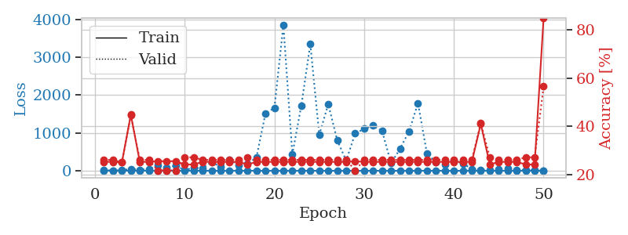
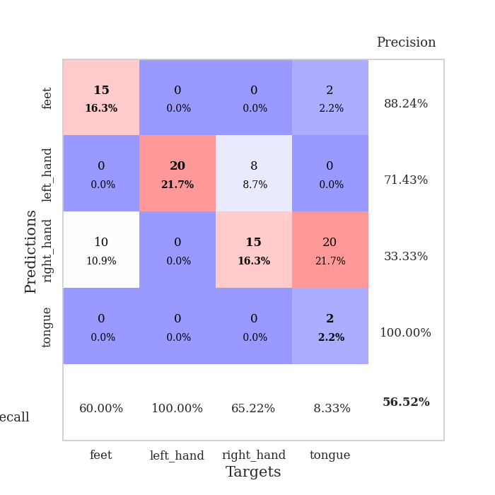
train_loss | valid_loss | train_accuracy | valid_accuracy | dur | train_misclass | valid_misclass
2.6971458534 | 14.13577341 | 0.2527173913 | 0.26086956522 | 0.10596108437 | 25.27173913 | 26.086956522
1.2637459843 | 5.2082743645 | 0.2527173913 | 0.26086956522 | 0.10797858238 | 25.27173913 | 26.086956522
1.1609582253 | 11.918494183 | 0.25 | 0.25 | 0.10445022583 | 25 | 25
1.3057544205 | 49.758404773 | 0.44836956522 | 0.44565217391 | 0.1060564518 | 44.836956522 | 44.565217391
1.2998269123 | 27.015571345 | 0.2527173913 | 0.26086956522 | 0.11171793938 | 25.27173913 | 26.086956522
1.0693706974 | 46.036251732 | 0.2527173913 | 0.26086956522 | 0.10790538788 | 25.27173913 | 26.086956522
1.0354493209 | 134.26161725 | 0.25543478261 | 0.21739130435 | 0.10839557648 | 25.543478261 | 21.739130435
1.0334610369 | 84.738063978 | 0.25543478261 | 0.21739130435 | 0.10972523689 | 25.543478261 | 21.739130435
1.164461535 | 136.26863098 | 0.25543478261 | 0.21739130435 | 0.10355758667 | 25.543478261 | 21.739130435
0.95457992606 | 19.159775858 | 0.24184782609 | 0.27173913043 | 0.10715222359 | 24.184782609 | 27.173913043
0.86297832753 | 77.99018296 | 0.24184782609 | 0.27173913043 | 0.10682296753 | 24.184782609 | 27.173913043
0.76504428361 | 64.689028201 | 0.2527173913 | 0.26086956522 | 0.10435605049 | 25.27173913 | 26.086956522
0.77857477121 | 235.18613666 | 0.2527173913 | 0.26086956522 | 0.11057472229 | 25.27173913 | 26.086956522
0.69925095465 | 98.190631037 | 0.2527173913 | 0.26086956522 | 0.11127543449 | 25.27173913 | 26.086956522
0.71036062552 | 297.85790883 | 0.2527173913 | 0.26086956522 | 0.10102510452 | 25.27173913 | 26.086956522
0.62436449528 | 136.55561298 | 0.2527173913 | 0.26086956522 | 0.10759401321 | 25.27173913 | 26.086956522
0.52741881104 | 180.65258855 | 0.24184782609 | 0.27173913043 | 0.10405397415 | 24.184782609 | 27.173913043
0.68060603867 | 353.89444633 | 0.2527173913 | 0.26086956522 | 0.10749268532 | 25.27173913 | 26.086956522
0.53562973375 | 1509.352815 | 0.2527173913 | 0.26086956522 | 0.10836148262 | 25.27173913 | 26.086956522
0.6413386192 | 1663.4249321 | 0.2527173913 | 0.26086956522 | 0.10673999786 | 25.27173913 | 26.086956522
0.53886728248 | 3847.1290761 | 0.2527173913 | 0.26086956522 | 0.10393571854 | 25.27173913 | 26.086956522
0.51052108601 | 434.46632054 | 0.2527173913 | 0.26086956522 | 0.11495018005 | 25.27173913 | 26.086956522
0.44318674699 | 1726.4476425 | 0.2527173913 | 0.26086956522 | 0.10617613792 | 25.27173913 | 26.086956522
0.40629800377 | 3347.3973336 | 0.2527173913 | 0.26086956522 | 0.10572099686 | 25.27173913 | 26.086956522
0.43526989837 | 946.83092466 | 0.2527173913 | 0.26086956522 | 0.10363197327 | 25.27173913 | 26.086956522
0.31100979447 | 1762.6083984 | 0.2527173913 | 0.26086956522 | 0.11026859283 | 25.27173913 | 26.086956522
0.2869795577 | 804.68100639 | 0.2527173913 | 0.26086956522 | 0.10790848732 | 25.27173913 | 26.086956522
0.20554060376 | 268.66731992 | 0.2527173913 | 0.26086956522 | 0.10917401314 | 25.27173913 | 26.086956522
0.23603304314 | 983.04423191 | 0.25543478261 | 0.21739130435 | 0.10691809654 | 25.543478261 | 21.739130435
0.26465070377 | 1106.8389468 | 0.2527173913 | 0.26086956522 | 0.10984015465 | 25.27173913 | 26.086956522
0.23565256288 | 1193.6225321 | 0.2527173913 | 0.26086956522 | 0.10514140129 | 25.27173913 | 26.086956522
0.21783503145 | 1049.1536228 | 0.2527173913 | 0.26086956522 | 0.10682559013 | 25.27173913 | 26.086956522
0.21995798944 | 202.24637239 | 0.2527173913 | 0.26086956522 | 0.10196661949 | 25.27173913 | 26.086956522
0.12601351859 | 578.69745935 | 0.2527173913 | 0.26086956522 | 0.11025762558 | 25.27173913 | 26.086956522
0.16989179814 | 1040.1476918 | 0.2527173913 | 0.26086956522 | 0.10860300064 | 25.27173913 | 26.086956522
0.14745824217 | 1781.9326596 | 0.2527173913 | 0.26086956522 | 0.10438132286 | 25.27173913 | 26.086956522
0.1197984681 | 455.93561454 | 0.2527173913 | 0.26086956522 | 0.11164617538 | 25.27173913 | 26.086956522
0.12128687302 | 223.56876605 | 0.2527173913 | 0.26086956522 | 0.10779237747 | 25.27173913 | 26.086956522
0.11768832706 | 159.75274725 | 0.2527173913 | 0.26086956522 | 0.1035528183 | 25.27173913 | 26.086956522
0.13257144375 | 258.4573696 | 0.2527173913 | 0.26086956522 | 0.10420632362 | 25.27173913 | 26.086956522
0.073596970219 | 195.48330357 | 0.2527173913 | 0.26086956522 | 0.10585665703 | 25.27173913 | 26.086956522
0.13490991015 | 45.370403953 | 0.2527173913 | 0.26086956522 | 0.10516357422 | 25.27173913 | 26.086956522
0.12013177047 | 27.709869634 | 0.41032608696 | 0.41304347826 | 0.10620236397 | 41.032608696 | 41.304347826
0.096382826972 | 27.382830661 | 0.24184782609 | 0.27173913043 | 0.10176062584 | 24.184782609 | 27.173913043
0.13250934608 | 49.188979605 | 0.2527173913 | 0.26086956522 | 0.11223697662 | 25.27173913 | 26.086956522
0.091627445679 | 54.045245627 | 0.2527173913 | 0.26086956522 | 0.11081814766 | 25.27173913 | 26.086956522
0.087933404817 | 25.999128673 | 0.2527173913 | 0.26086956522 | 0.10415863991 | 25.27173913 | 26.086956522
0.09642074903 | 21.039836801 | 0.24184782609 | 0.27173913043 | 0.11453676224 | 24.184782609 | 27.173913043
0.1028836491 | 10.772387961 | 0.24184782609 | 0.27173913043 | 0.10401415825 | 24.184782609 | 27.173913043
0.10123590639 | 1.8831751917 | 0.85054347826 | 0.5652173913 | 0.10693979263 | 85.054347826 | 56.52173913

Best Val accuracy is 0.5652173913043478 and Best test accuracy is 0.6293103448275862

Sheet7
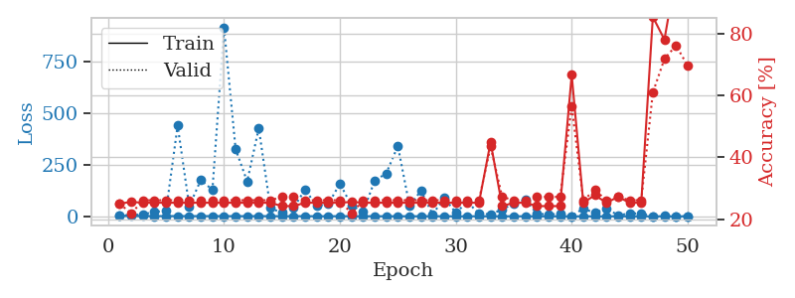
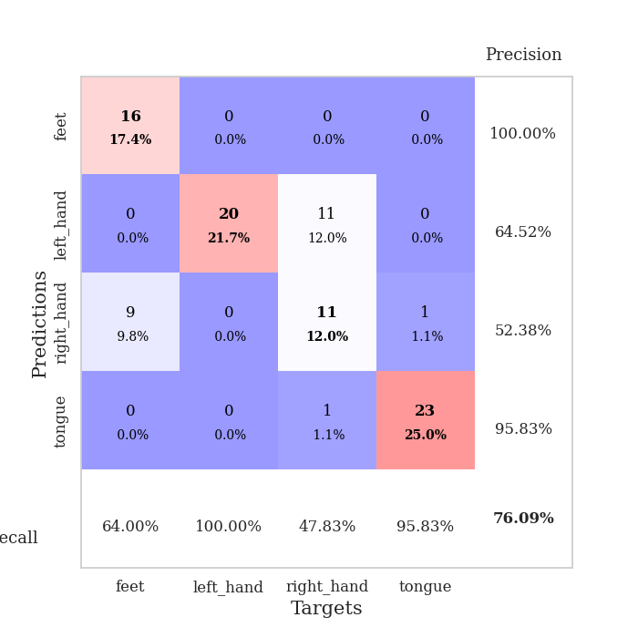
train_loss | valid_loss | train_accuracy | valid_accuracy | dur | train_misclass | valid_misclass
2.8203499991 | 3.7309456286 | 0.25 | 0.25 | 0.1040096283 | 25 | 25
1.5945440298 | 6.239446412 | 0.25543478261 | 0.21739130435 | 0.10186553001 | 25.543478261 | 21.739130435
1.3186554753 | 9.073376158 | 0.2527173913 | 0.26086956522 | 0.1011903286 | 25.27173913 | 26.086956522
1.126012898 | 21.797465034 | 0.2527173913 | 0.26086956522 | 0.10076928139 | 25.27173913 | 26.086956522
1.1387049348 | 26.410362658 | 0.2527173913 | 0.26086956522 | 0.10177969933 | 25.27173913 | 26.086956522
1.1295140386 | 439.62818577 | 0.2527173913 | 0.26086956522 | 0.10070538521 | 25.27173913 | 26.086956522
1.1294683322 | 48.993185126 | 0.2527173913 | 0.26086956522 | 0.11016631126 | 25.27173913 | 26.086956522
0.9517326044 | 176.47414232 | 0.2527173913 | 0.26086956522 | 0.10251736641 | 25.27173913 | 26.086956522
1.0757344054 | 127.91664687 | 0.2527173913 | 0.26086956522 | 0.10714173317 | 25.27173913 | 26.086956522
0.87358331551 | 915.04517663 | 0.2527173913 | 0.26086956522 | 0.10515379906 | 25.27173913 | 26.086956522
0.81215450556 | 325.34024579 | 0.2527173913 | 0.26086956522 | 0.10381126404 | 25.27173913 | 26.086956522
0.8138567585 | 168.5109034 | 0.2527173913 | 0.26086956522 | 0.10548043251 | 25.27173913 | 26.086956522
0.97611994329 | 426.63656085 | 0.2527173913 | 0.26086956522 | 0.1029715538 | 25.27173913 | 26.086956522
0.86065980533 | 41.096680848 | 0.2527173913 | 0.26086956522 | 0.10804224014 | 25.27173913 | 26.086956522
0.83485316971 | 15.83141982 | 0.24184782609 | 0.27173913043 | 0.10759472847 | 24.184782609 | 27.173913043
0.63819482404 | 42.017223856 | 0.24184782609 | 0.27173913043 | 0.10868883133 | 24.184782609 | 27.173913043
0.73257508615 | 129.48308265 | 0.2527173913 | 0.26086956522 | 0.10547804832 | 25.27173913 | 26.086956522
0.53915624774 | 49.785625789 | 0.2527173913 | 0.26086956522 | 0.10866045952 | 25.27173913 | 26.086956522
0.5230942822 | 59.759103029 | 0.2527173913 | 0.26086956522 | 0.10704922676 | 25.27173913 | 26.086956522
0.57152418598 | 158.26138372 | 0.2527173913 | 0.26086956522 | 0.11600780487 | 25.27173913 | 26.086956522
0.5530555935 | 52.202638211 | 0.25543478261 | 0.21739130435 | 0.10827255249 | 25.543478261 | 21.739130435
0.49177310389 | 21.135490666 | 0.2527173913 | 0.26086956522 | 0.10574936867 | 25.27173913 | 26.086956522
0.42966359335 | 172.57214953 | 0.2527173913 | 0.26086956522 | 0.10540485382 | 25.27173913 | 26.086956522
0.40966203161 | 207.97249172 | 0.2527173913 | 0.26086956522 | 0.10712122917 | 25.27173913 | 26.086956522
0.40196136223 | 340.85399329 | 0.2527173913 | 0.26086956522 | 0.10116028786 | 25.27173913 | 26.086956522
0.38127163053 | 52.201950073 | 0.2527173913 | 0.26086956522 | 0.10213947296 | 25.27173913 | 26.086956522
0.402338061 | 123.68450032 | 0.2527173913 | 0.26086956522 | 0.09956240654 | 25.27173913 | 26.086956522
0.32639562193 | 9.5643888142 | 0.2527173913 | 0.26086956522 | 0.10732865334 | 25.27173913 | 26.086956522
0.28920796497 | 88.360539975 | 0.2527173913 | 0.26086956522 | 0.10700750351 | 25.27173913 | 26.086956522
0.32359401493 | 17.704358308 | 0.2527173913 | 0.26086956522 | 0.10232138634 | 25.27173913 | 26.086956522
0.27227432848 | 68.61519656 | 0.2527173913 | 0.26086956522 | 0.10079145432 | 25.27173913 | 26.086956522
0.2111809623 | 14.127587775 | 0.2527173913 | 0.26086956522 | 0.099974393845 | 25.27173913 | 26.086956522
0.24887100121 | 9.3263277386 | 0.44836956522 | 0.4347826087 | 0.09961605072 | 44.836956522 | 43.47826087
0.27232076584 | 33.148329859 | 0.24184782609 | 0.27173913043 | 0.10460209846 | 24.184782609 | 27.173913043
0.24273179277 | 61.333193406 | 0.2527173913 | 0.26086956522 | 0.10524249077 | 25.27173913 | 26.086956522
0.19073636684 | 81.850205463 | 0.2527173913 | 0.26086956522 | 0.10647463799 | 25.27173913 | 26.086956522
0.21296877284 | 12.272966675 | 0.24184782609 | 0.27173913043 | 0.11178016663 | 24.184782609 | 27.173913043
0.16670463258 | 9.6623636743 | 0.24184782609 | 0.27173913043 | 0.10753774643 | 24.184782609 | 27.173913043
0.18271167107 | 11.276754504 | 0.24184782609 | 0.27173913043 | 0.10899043083 | 24.184782609 | 27.173913043
0.13019203573 | 1.0421802246 | 0.66576086957 | 0.5652173913 | 0.10199117661 | 66.576086957 | 56.52173913
0.11609154239 | 37.779401862 | 0.2527173913 | 0.26086956522 | 0.10112333298 | 25.27173913 | 26.086956522
0.15239080528 | 16.383372929 | 0.27717391304 | 0.29347826087 | 0.10155510902 | 27.717391304 | 29.347826087
0.13053319271 | 39.201759338 | 0.2527173913 | 0.26086956522 | 0.10321712494 | 25.27173913 | 26.086956522
0.14569627603 | 4.5980372429 | 0.27173913043 | 0.27173913043 | 0.10902881622 | 27.173913043 | 27.173913043
0.12607762473 | 13.915783136 | 0.2527173913 | 0.26086956522 | 0.10793066025 | 25.27173913 | 26.086956522
0.10861594902 | 14.176546636 | 0.2527173913 | 0.26086956522 | 0.10247755051 | 25.27173913 | 26.086956522
0.10530365987 | 1.0583765351 | 0.85326086957 | 0.60869565217 | 0.10313248634 | 85.326086957 | 60.869565217
0.11640587571 | 1.3793304226 | 0.77989130435 | 0.71739130435 | 0.1017677784 | 77.989130435 | 71.739130435
0.075556889703 | 0.76435938866 | 0.99456521739 | 0.76086956522 | 0.10504984856 | 99.456521739 | 76.086956522
0.1345101701 | 0.97576042621 | 0.9972826087 | 0.69565217391 | 0.10421705246 | 99.72826087 | 69.565217391

Best Val accuracy is 0.7608695652173914 and Best test accuracy is 0.75

Sheet8
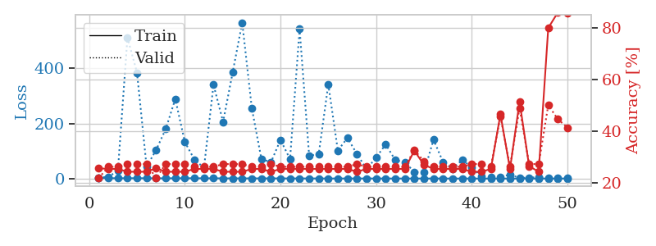
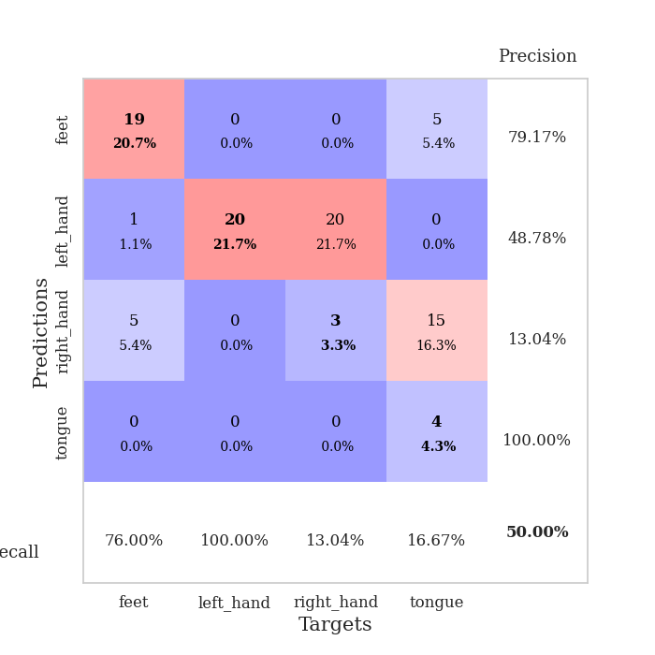
train_loss | valid_loss | train_accuracy | valid_accuracy | dur | train_misclass | valid_misclass
3.3615313172 | 3.7553851293 | 0.25543478261 | 0.21739130435 | 0.10496544838 | 25.543478261 | 21.739130435
1.4619303268 | 6.5930818475 | 0.2527173913 | 0.26086956522 | 0.10278606415 | 25.27173913 | 26.086956522
1.1857136903 | 28.121122941 | 0.2527173913 | 0.26086956522 | 0.10254359245 | 25.27173913 | 26.086956522
1.2080375578 | 511.58182161 | 0.24184782609 | 0.27173913043 | 0.10848069191 | 24.184782609 | 27.173913043
1.3767997001 | 384.20800649 | 0.24184782609 | 0.27173913043 | 0.10820865631 | 24.184782609 | 27.173913043
1.1172481879 | 42.904224064 | 0.24184782609 | 0.27173913043 | 0.10821151733 | 24.184782609 | 27.173913043
0.96581634231 | 103.98098025 | 0.25543478261 | 0.21739130435 | 0.10237765312 | 25.543478261 | 21.739130435
0.94381432689 | 179.69854206 | 0.24184782609 | 0.27173913043 | 0.10094690323 | 24.184782609 | 27.173913043
1.1351404138 | 288.86516671 | 0.24184782609 | 0.27173913043 | 0.10328364372 | 24.184782609 | 27.173913043
1.1787946976 | 132.83819116 | 0.24184782609 | 0.27173913043 | 0.10494399071 | 24.184782609 | 27.173913043
1.1453605268 | 68.819493169 | 0.2527173913 | 0.26086956522 | 0.10157895088 | 25.27173913 | 26.086956522
0.94983753692 | 39.028242194 | 0.2527173913 | 0.26086956522 | 0.10373234749 | 25.27173913 | 26.086956522
0.88405454936 | 340.36755769 | 0.2527173913 | 0.26086956522 | 0.10351753235 | 25.27173913 | 26.086956522
0.77394072128 | 205.65410647 | 0.24184782609 | 0.27173913043 | 0.10923719406 | 24.184782609 | 27.173913043
0.70340513665 | 385.14196777 | 0.24184782609 | 0.27173913043 | 0.10162067413 | 24.184782609 | 27.173913043
0.65602004269 | 566.11109195 | 0.24184782609 | 0.27173913043 | 0.10293102264 | 24.184782609 | 27.173913043
0.72709970889 | 256.10495393 | 0.2527173913 | 0.26086956522 | 0.10076141357 | 25.27173913 | 26.086956522
0.56970434603 | 71.780105259 | 0.2527173913 | 0.26086956522 | 0.10587501526 | 25.27173913 | 26.086956522
0.67361191628 | 58.789299177 | 0.24184782609 | 0.27173913043 | 0.1058242321 | 24.184782609 | 27.173913043
0.53972849833 | 140.45363915 | 0.2527173913 | 0.26086956522 | 0.10879063606 | 25.27173913 | 26.086956522
0.45700601326 | 70.612766763 | 0.2527173913 | 0.26086956522 | 0.10945057869 | 25.27173913 | 26.086956522
0.4602259702 | 542.75745956 | 0.2527173913 | 0.26086956522 | 0.10646152496 | 25.27173913 | 26.086956522
0.46923901594 | 82.546631855 | 0.2527173913 | 0.26086956522 | 0.10253143311 | 25.27173913 | 26.086956522
0.43015301033 | 89.089122275 | 0.2527173913 | 0.26086956522 | 0.10982775688 | 25.27173913 | 26.086956522
0.36686139651 | 342.12645954 | 0.2527173913 | 0.26086956522 | 0.10308599472 | 25.27173913 | 26.086956522
0.3732524119 | 101.68795212 | 0.2527173913 | 0.26086956522 | 0.10319876671 | 25.27173913 | 26.086956522
0.33275076358 | 147.55719658 | 0.2527173913 | 0.26086956522 | 0.10771512985 | 25.27173913 | 26.086956522
0.30903553574 | 89.057843084 | 0.24184782609 | 0.27173913043 | 0.10264658928 | 24.184782609 | 27.173913043
0.33050585117 | 34.549084871 | 0.2527173913 | 0.26086956522 | 0.10580182076 | 25.27173913 | 26.086956522
0.24897292613 | 76.148027171 | 0.2527173913 | 0.26086956522 | 0.1085100174 | 25.27173913 | 26.086956522
0.24861805368 | 124.14898648 | 0.2527173913 | 0.26086956522 | 0.10737085342 | 25.27173913 | 26.086956522
0.23601762011 | 67.314165198 | 0.2527173913 | 0.26086956522 | 0.11194944382 | 25.27173913 | 26.086956522
0.22779462341 | 59.283648947 | 0.2527173913 | 0.26086956522 | 0.10539674759 | 25.27173913 | 26.086956522
0.2532615179 | 24.397274847 | 0.32336956522 | 0.32608695652 | 0.11255288124 | 32.336956522 | 32.608695652
0.19508118863 | 21.677870294 | 0.26902173913 | 0.28260869565 | 0.10405087471 | 26.902173913 | 28.260869565
0.2118338123 | 141.21676835 | 0.2527173913 | 0.26086956522 | 0.098651885986 | 25.27173913 | 26.086956522
0.18632496448 | 60.094865053 | 0.2527173913 | 0.26086956522 | 0.10422086716 | 25.27173913 | 26.086956522
0.13802670696 | 36.453918789 | 0.2527173913 | 0.26086956522 | 0.10799241066 | 25.27173913 | 26.086956522
0.14673214049 | 67.001521567 | 0.2527173913 | 0.26086956522 | 0.11078977585 | 25.27173913 | 26.086956522
0.1115026146 | 42.108953227 | 0.24184782609 | 0.27173913043 | 0.10516524315 | 24.184782609 | 27.173913043
0.10436571843 | 6.7545389092 | 0.24184782609 | 0.27173913043 | 0.1097369194 | 24.184782609 | 27.173913043
0.13414976219 | 5.5659145687 | 0.2527173913 | 0.26086956522 | 0.10115337372 | 25.27173913 | 26.086956522
0.093091722092 | 6.5108855911 | 0.46467391304 | 0.45652173913 | 0.10297250748 | 46.467391304 | 45.652173913
0.11802444915 | 14.015105372 | 0.2527173913 | 0.26086956522 | 0.10908579826 | 25.27173913 | 26.086956522
0.094526282431 | 2.7135509771 | 0.51358695652 | 0.48913043478 | 0.10407400131 | 51.358695652 | 48.913043478
0.083861448924 | 2.9988459608 | 0.26358695652 | 0.27173913043 | 0.10209226608 | 26.358695652 | 27.173913043
0.10079256137 | 5.5519991958 | 0.24184782609 | 0.27173913043 | 0.10784578323 | 24.184782609 | 27.173913043
0.090776617274 | 1.4739528791 | 0.79891304348 | 0.5 | 0.11451172829 | 79.891304348 | 50
0.1258529004 | 1.9005575595 | 0.85869565217 | 0.44565217391 | 0.11009812355 | 85.869565217 | 44.565217391
0.13851959485 | 2.0018522221 | 0.85597826087 | 0.41304347826 | 0.10616159439 | 85.597826087 | 41.304347826

Best Val accuracy is 0.5 and Best test accuracy is 0.5775862068965517

Sheet9
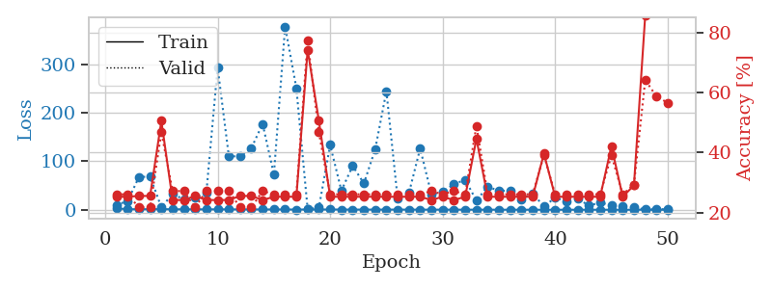
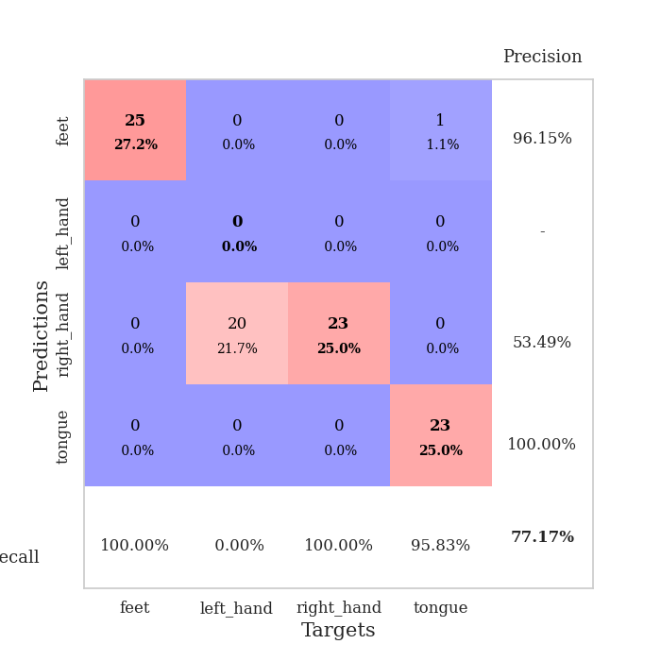
train_loss | valid_loss | train_accuracy | valid_accuracy | dur | train_misclass | valid_misclass
2.9507185609 | 10.357377135 | 0.2527173913 | 0.26086956522 | 0.11460328102 | 25.27173913 | 26.086956522
1.2230002284 | 17.729542442 | 0.2527173913 | 0.26086956522 | 0.1043446064 | 25.27173913 | 26.086956522
1.1594483723 | 67.289726921 | 0.25543478261 | 0.21739130435 | 0.10669732094 | 25.543478261 | 21.739130435
1.2135335596 | 68.946794925 | 0.25543478261 | 0.21739130435 | 0.11459231377 | 25.543478261 | 21.739130435
1.3885287046 | 5.0360724408 | 0.50543478261 | 0.46739130435 | 0.10940814018 | 50.543478261 | 46.739130435
1.0770399493 | 32.944187247 | 0.24184782609 | 0.27173913043 | 0.10731196404 | 24.184782609 | 27.173913043
1.020921886 | 21.308146269 | 0.24184782609 | 0.27173913043 | 0.10169172287 | 24.184782609 | 27.173913043
0.93690990106 | 25.584722768 | 0.25543478261 | 0.21739130435 | 0.10480594635 | 25.543478261 | 21.739130435
0.95225904558 | 35.240667094 | 0.24184782609 | 0.27173913043 | 0.11617398262 | 24.184782609 | 27.173913043
0.92392153844 | 293.98129671 | 0.24184782609 | 0.27173913043 | 0.10684323311 | 24.184782609 | 27.173913043
0.89899164438 | 109.97010671 | 0.24184782609 | 0.27173913043 | 0.1035554409 | 24.184782609 | 27.173913043
0.77029050433 | 110.7837405 | 0.25543478261 | 0.21739130435 | 0.11267995834 | 25.543478261 | 21.739130435
0.7844585569 | 127.41234688 | 0.25543478261 | 0.21739130435 | 0.11149740219 | 25.543478261 | 21.739130435
0.73392626384 | 177.36222176 | 0.24184782609 | 0.27173913043 | 0.10621213913 | 24.184782609 | 27.173913043
0.72026576037 | 72.91425622 | 0.2527173913 | 0.26086956522 | 0.11087465286 | 25.27173913 | 26.086956522
0.65253472976 | 378.23544577 | 0.2527173913 | 0.26086956522 | 0.11259841919 | 25.27173913 | 26.086956522
0.53636836941 | 250.9253069 | 0.2527173913 | 0.26086956522 | 0.10479402542 | 25.27173913 | 26.086956522
0.58234236163 | 1.0969555585 | 0.74184782609 | 0.77173913043 | 0.1073114872 | 74.184782609 | 77.173913043
0.57243571625 | 4.5775379616 | 0.50543478261 | 0.46739130435 | 0.10736846924 | 50.543478261 | 46.739130435
0.64864834884 | 133.76708487 | 0.2527173913 | 0.26086956522 | 0.10334968567 | 25.27173913 | 26.086956522
0.5243775093 | 39.621660481 | 0.2527173913 | 0.26086956522 | 0.11316752434 | 25.27173913 | 26.086956522
0.43798654462 | 90.604834183 | 0.2527173913 | 0.26086956522 | 0.10830640793 | 25.27173913 | 26.086956522
0.45715795717 | 54.449756954 | 0.2527173913 | 0.26086956522 | 0.10500836372 | 25.27173913 | 26.086956522
0.41552547074 | 124.44897428 | 0.2527173913 | 0.26086956522 | 0.11541080475 | 25.27173913 | 26.086956522
0.42809381595 | 244.66518767 | 0.2527173913 | 0.26086956522 | 0.10518884659 | 25.27173913 | 26.086956522
0.43079517134 | 22.791077489 | 0.2527173913 | 0.26086956522 | 0.10883378983 | 25.27173913 | 26.086956522
0.35456670869 | 34.385916337 | 0.2527173913 | 0.26086956522 | 0.11098480225 | 25.27173913 | 26.086956522
0.32627094764 | 126.60570626 | 0.2527173913 | 0.26086956522 | 0.1058781147 | 25.27173913 | 26.086956522
0.28462326624 | 31.884938613 | 0.24184782609 | 0.27173913043 | 0.10608005524 | 24.184782609 | 27.173913043
0.3345858296 | 37.107870185 | 0.2527173913 | 0.26086956522 | 0.10966253281 | 25.27173913 | 26.086956522
0.24760077181 | 52.920742367 | 0.24184782609 | 0.27173913043 | 0.10848355293 | 24.184782609 | 27.173913043
0.26308249472 | 61.830580836 | 0.2527173913 | 0.26086956522 | 0.12941384315 | 25.27173913 | 26.086956522
0.25872412405 | 19.194869249 | 0.44565217391 | 0.48913043478 | 0.11656141281 | 44.565217391 | 48.913043478
0.23303169935 | 47.756797293 | 0.2527173913 | 0.26086956522 | 0.10800933838 | 25.27173913 | 26.086956522
0.19430499702 | 39.172578231 | 0.2527173913 | 0.26086956522 | 0.11497569084 | 25.27173913 | 26.086956522
0.15996929323 | 39.732218369 | 0.2527173913 | 0.26086956522 | 0.1080160141 | 25.27173913 | 26.086956522
0.16040488786 | 22.087228941 | 0.2527173913 | 0.26086956522 | 0.11173224449 | 25.27173913 | 26.086956522
0.17211954636 | 33.558105635 | 0.2527173913 | 0.26086956522 | 0.10804247856 | 25.27173913 | 26.086956522
0.15187725967 | 6.9957730044 | 0.39673913043 | 0.39130434783 | 0.10879993439 | 39.673913043 | 39.130434783
0.11205047037 | 25.018947187 | 0.2527173913 | 0.26086956522 | 0.10668253899 | 25.27173913 | 26.086956522
0.15541629218 | 17.379262592 | 0.2527173913 | 0.26086956522 | 0.10238981247 | 25.27173913 | 26.086956522
0.11348057425 | 22.71535948 | 0.2527173913 | 0.26086956522 | 0.10399127007 | 25.27173913 | 26.086956522
0.15353716128 | 8.8583287778 | 0.2527173913 | 0.26086956522 | 0.11084842682 | 25.27173913 | 26.086956522
0.14383862832 | 14.741407975 | 0.2527173913 | 0.26086956522 | 0.11150074005 | 25.27173913 | 26.086956522
0.13184718909 | 9.3742354849 | 0.42119565217 | 0.39130434783 | 0.11287927628 | 42.119565217 | 39.130434783
0.092356514186 | 7.5452997166 | 0.2527173913 | 0.26086956522 | 0.10875439644 | 25.27173913 | 26.086956522
0.10000990683 | 4.6693611767 | 0.29076086957 | 0.29347826087 | 0.1082983017 | 29.076086957 | 29.347826087
0.11713549236 | 0.99699960325 | 0.85597826087 | 0.64130434783 | 0.10175299644 | 85.597826087 | 64.130434783
0.10904478233 | 1.0014486728 | 0.95380434783 | 0.58695652174 | 0.10910272598 | 95.380434783 | 58.695652174
0.11351096938 | 1.3168215233 | 0.98641304348 | 0.5652173913 | 0.10507035255 | 98.641304348 | 56.52173913

Best Val accuracy is 0.7717391304347826 and Best test accuracy is 0.7327586206896551

Sheet10
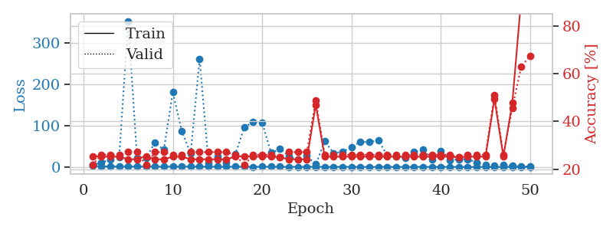
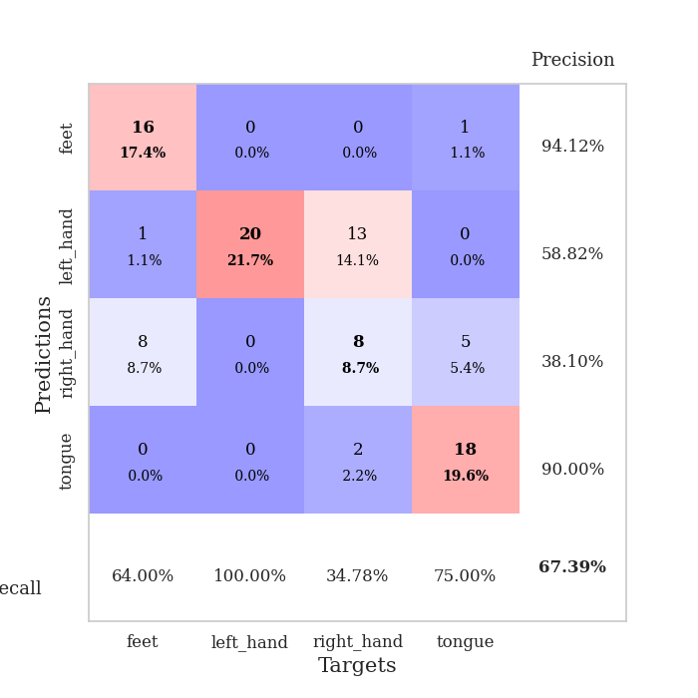
train_loss | valid_loss | train_accuracy | valid_accuracy | dur | train_misclass | valid_misclass
2.6935398216 | 5.0124120298 | 0.25543478261 | 0.21739130435 | 0.10246276855 | 25.543478261 | 21.739130435
1.4500817216 | 10.12924099 | 0.2527173913 | 0.26086956522 | 0.10157465935 | 25.27173913 | 26.086956522
1.3444119536 | 18.466255437 | 0.2527173913 | 0.26086956522 | 0.10383868217 | 25.27173913 | 26.086956522
1.0273650366 | 23.772180226 | 0.2527173913 | 0.26086956522 | 0.11264395714 | 25.27173913 | 26.086956522
1.0190510309 | 352.83484285 | 0.24184782609 | 0.27173913043 | 0.10398435593 | 24.184782609 | 27.173913043
1.034920353 | 21.839019444 | 0.24184782609 | 0.27173913043 | 0.10961508751 | 24.184782609 | 27.173913043
1.10054735 | 22.582035231 | 0.25543478261 | 0.21739130435 | 0.10156011581 | 25.543478261 | 21.739130435
1.081210507 | 58.448745064 | 0.24184782609 | 0.27173913043 | 0.11053276062 | 24.184782609 | 27.173913043
0.94342559835 | 41.772376185 | 0.24184782609 | 0.27173913043 | 0.10443878174 | 24.184782609 | 27.173913043
0.92055818309 | 180.67690443 | 0.2527173913 | 0.26086956522 | 0.10159230232 | 25.27173913 | 26.086956522
1.0788087819 | 87.445137024 | 0.2527173913 | 0.26086956522 | 0.10365486145 | 25.27173913 | 26.086956522
0.91005154796 | 32.241007929 | 0.24184782609 | 0.27173913043 | 0.10134506226 | 24.184782609 | 27.173913043
1.1056488545 | 261.80898782 | 0.24184782609 | 0.27173913043 | 0.10845994949 | 24.184782609 | 27.173913043
0.83907582708 | 9.5887215241 | 0.24184782609 | 0.27173913043 | 0.10026407242 | 24.184782609 | 27.173913043
0.77272608617 | 25.743181892 | 0.24184782609 | 0.27173913043 | 0.10276913643 | 24.184782609 | 27.173913043
0.65423233872 | 11.027761335 | 0.24184782609 | 0.27173913043 | 0.10315108299 | 24.184782609 | 27.173913043
0.62340918313 | 30.516329807 | 0.2527173913 | 0.26086956522 | 0.10292887688 | 25.27173913 | 26.086956522
0.58379450959 | 95.702109627 | 0.25543478261 | 0.21739130435 | 0.11189937592 | 25.543478261 | 21.739130435
0.47643930173 | 109.18651315 | 0.2527173913 | 0.26086956522 | 0.11040043831 | 25.27173913 | 26.086956522
0.64135018639 | 107.93093043 | 0.2527173913 | 0.26086956522 | 0.10472893715 | 25.27173913 | 26.086956522
0.62482640018 | 33.96545518 | 0.2527173913 | 0.26086956522 | 0.10366177559 | 25.27173913 | 26.086956522
0.61533494877 | 43.660762787 | 0.25 | 0.25 | 0.11313557625 | 25 | 25
0.524379968 | 25.874887301 | 0.24184782609 | 0.27173913043 | 0.10035681725 | 24.184782609 | 27.173913043
0.47483013927 | 17.389924174 | 0.24184782609 | 0.27173913043 | 0.10519242287 | 24.184782609 | 27.173913043
0.49503166261 | 26.966943741 | 0.24184782609 | 0.27173913043 | 0.1086769104 | 24.184782609 | 27.173913043
0.37515043597 | 6.2124572215 | 0.47010869565 | 0.48913043478 | 0.1080288887 | 47.010869565 | 48.913043478
0.45373637326 | 62.525212661 | 0.2527173913 | 0.26086956522 | 0.11162662506 | 25.27173913 | 26.086956522
0.30798835307 | 33.269118433 | 0.2527173913 | 0.26086956522 | 0.10308361053 | 25.27173913 | 26.086956522
0.38463789743 | 36.679580854 | 0.2527173913 | 0.26086956522 | 0.10390686989 | 25.27173913 | 26.086956522
0.32900417952 | 48.159693842 | 0.2527173913 | 0.26086956522 | 0.11088061333 | 25.27173913 | 26.086956522
0.26554749064 | 61.169111335 | 0.2527173913 | 0.26086956522 | 0.11069941521 | 25.27173913 | 26.086956522
0.27301810358 | 59.937523386 | 0.2527173913 | 0.26086956522 | 0.10502338409 | 25.27173913 | 26.086956522
0.27385689318 | 64.77786172 | 0.2527173913 | 0.26086956522 | 0.11159944534 | 25.27173913 | 26.086956522
0.3233760171 | 27.582269752 | 0.2527173913 | 0.26086956522 | 0.1032948494 | 25.27173913 | 26.086956522
0.26566863837 | 26.327434457 | 0.2527173913 | 0.26086956522 | 0.1159927845 | 25.27173913 | 26.086956522
0.23515702104 | 20.997971493 | 0.2527173913 | 0.26086956522 | 0.10599279404 | 25.27173913 | 26.086956522
0.22868528314 | 36.153798974 | 0.2527173913 | 0.26086956522 | 0.10628342628 | 25.27173913 | 26.086956522
0.28611460199 | 42.646807049 | 0.2527173913 | 0.26086956522 | 0.10171461105 | 25.27173913 | 26.086956522
0.16852220634 | 17.996416092 | 0.2527173913 | 0.26086956522 | 0.11226177216 | 25.27173913 | 26.086956522
0.21589619715 | 38.669615124 | 0.2527173913 | 0.26086956522 | 0.099724769592 | 25.27173913 | 26.086956522
0.19394545905 | 16.114166218 | 0.2527173913 | 0.26086956522 | 0.10851287842 | 25.27173913 | 26.086956522
0.16059479862 | 18.971425222 | 0.25 | 0.25 | 0.10777258873 | 25 | 25
0.15739737281 | 19.008990537 | 0.2527173913 | 0.26086956522 | 0.10059642792 | 25.27173913 | 26.086956522
0.1606494164 | 10.743980864 | 0.2527173913 | 0.26086956522 | 0.10853409767 | 25.27173913 | 26.086956522
0.17384837916 | 5.5311416336 | 0.2527173913 | 0.26086956522 | 0.10641789436 | 25.27173913 | 26.086956522
0.14749041135 | 4.1141319275 | 0.49456521739 | 0.51086956522 | 0.10853052139 | 49.456521739 | 51.086956522
0.17210926537 | 4.8159511193 | 0.2527173913 | 0.26086956522 | 0.11228346825 | 25.27173913 | 26.086956522
0.12547956415 | 3.0663508851 | 0.47826086957 | 0.45652173913 | 0.11102700233 | 47.826086957 | 45.652173913
0.1533571749 | 1.1286497246 | 0.91576086957 | 0.63043478261 | 0.10292053223 | 91.576086957 | 63.043478261
0.14708061856 | 0.94115974592 | 0.97826086957 | 0.67391304348 | 0.1043176651 | 97.826086957 | 67.391304348

Best Val accuracy is 0.6739130434782609 and Best test accuracy is 0.6810344827586207

