Sheet
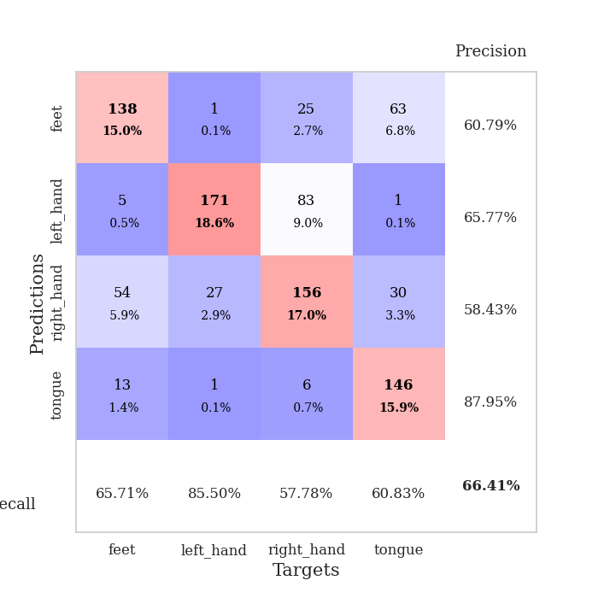
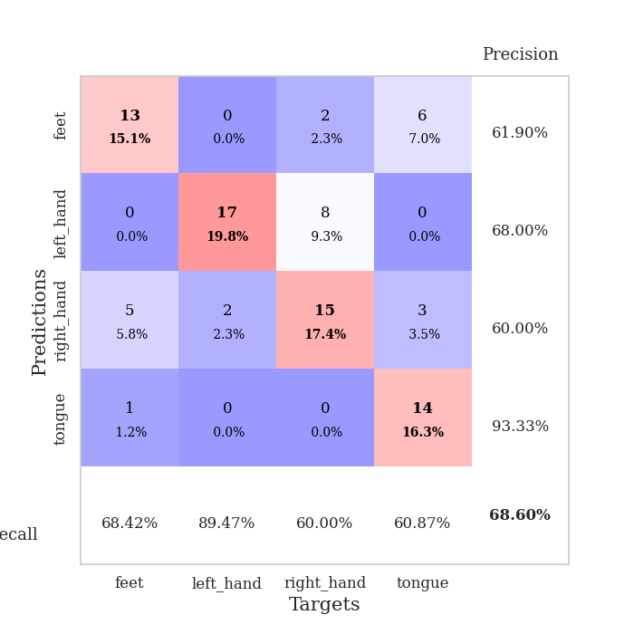
best_val_acc | best_val_los | best_test_acc
0.72826086957 | 0.86575897362 | 0.83620689655
0.72826086957 | 0.65364620737 | 0.8275862069
0.67391304348 | 0.84867837377 | 0.81034482759
0.6847826087 | 1.196543849 | 0.68103448276
0.60869565217 | 1.1149248248 | 0.75862068966
0.63043478261 | 0.92040107302 | 0.81034482759
0.60869565217 | 1.2050949957 | 0.73275862069
0.65217391304 | 1.0843315591 | 0.75
0.72826086957 | 0.95636216454 | 0.85344827586
0.59782608696 | 1.3289128075 | 0.74137931034

Mean,std Val accuracy is 0.6641304347826087 , 0.0523672945966587 and mean, std test accuracy is 0.7801724137931034 , 0.055311426881954465

Sheet1
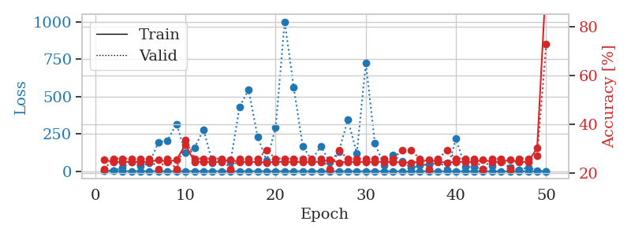
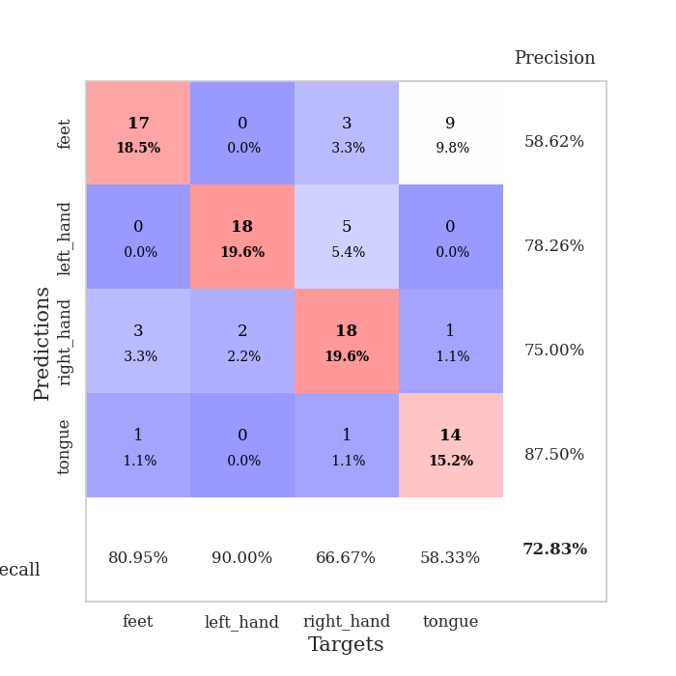
train_loss | valid_loss | train_accuracy | valid_accuracy | dur | train_misclass | valid_misclass
2.5184131394 | 6.2833364528 | 0.25543478261 | 0.21739130435 | 0.10659074783 | 25.543478261 | 21.739130435
1.4607079884 | 5.0847630501 | 0.2472826087 | 0.26086956522 | 0.10668206215 | 24.72826087 | 26.086956522
1.1664219136 | 24.451076259 | 0.2472826087 | 0.26086956522 | 0.10624504089 | 24.72826087 | 26.086956522
1.1417867049 | 60.815379101 | 0.2472826087 | 0.26086956522 | 0.10500526428 | 24.72826087 | 26.086956522
1.1351754523 | 34.621362189 | 0.2472826087 | 0.26086956522 | 0.11168122292 | 24.72826087 | 26.086956522
1.1660253276 | 56.083387955 | 0.2472826087 | 0.26086956522 | 0.10411953926 | 24.72826087 | 26.086956522
1.0539586414 | 194.02527585 | 0.25543478261 | 0.21739130435 | 0.1044254303 | 25.543478261 | 21.739130435
0.8812431097 | 206.15599989 | 0.2472826087 | 0.26086956522 | 0.10711669922 | 24.72826087 | 26.086956522
0.99324356991 | 317.19017493 | 0.25543478261 | 0.21739130435 | 0.1129295826 | 25.543478261 | 21.739130435
1.0311715499 | 122.92033519 | 0.31793478261 | 0.33695652174 | 0.11352205276 | 31.793478261 | 33.695652174
0.92761105688 | 157.39492333 | 0.2472826087 | 0.26086956522 | 0.10237312317 | 24.72826087 | 26.086956522
0.86494291606 | 279.4403733 | 0.2472826087 | 0.26086956522 | 0.10798096657 | 24.72826087 | 26.086956522
0.76112505794 | 57.912756381 | 0.2472826087 | 0.26086956522 | 0.10581421852 | 24.72826087 | 26.086956522
0.74943203641 | 80.283647952 | 0.2472826087 | 0.26086956522 | 0.10103082657 | 24.72826087 | 26.086956522
0.70534541296 | 64.50155905 | 0.25543478261 | 0.21739130435 | 0.10081624985 | 25.543478261 | 21.739130435
0.98282518076 | 432.1667162 | 0.2472826087 | 0.26086956522 | 0.10248804092 | 24.72826087 | 26.086956522
0.80466554217 | 545.51910135 | 0.2472826087 | 0.26086956522 | 0.10757255554 | 24.72826087 | 26.086956522
0.61717961923 | 231.92371468 | 0.2472826087 | 0.26086956522 | 0.10394716263 | 24.72826087 | 26.086956522
0.64390863284 | 70.212414285 | 0.24456521739 | 0.29347826087 | 0.10758137703 | 24.456521739 | 29.347826087
0.63383323408 | 293.29512024 | 0.2472826087 | 0.26086956522 | 0.10309123993 | 24.72826087 | 26.086956522
0.63482395981 | 1001.3633104 | 0.2472826087 | 0.26086956522 | 0.10461211205 | 24.72826087 | 26.086956522
0.61275088593 | 563.67899754 | 0.2472826087 | 0.26086956522 | 0.102840662 | 24.72826087 | 26.086956522
0.62271937015 | 169.41239564 | 0.2472826087 | 0.26086956522 | 0.098396778107 | 24.72826087 | 26.086956522
0.53831615267 | 75.340864928 | 0.2472826087 | 0.26086956522 | 0.10515165329 | 24.72826087 | 26.086956522
0.61013635475 | 166.99326258 | 0.2472826087 | 0.26086956522 | 0.10482692719 | 24.72826087 | 26.086956522
0.45021745109 | 62.645102957 | 0.25543478261 | 0.21739130435 | 0.1080031395 | 25.543478261 | 21.739130435
0.51699807203 | 131.59776704 | 0.24456521739 | 0.29347826087 | 0.10486912727 | 24.456521739 | 29.347826087
0.47328205018 | 344.0979601 | 0.2472826087 | 0.26086956522 | 0.11176276207 | 24.72826087 | 26.086956522
0.39053143107 | 122.02572068 | 0.2472826087 | 0.26086956522 | 0.11103153229 | 24.72826087 | 26.086956522
0.39605825816 | 724.11782173 | 0.2472826087 | 0.26086956522 | 0.10078692436 | 24.72826087 | 26.086956522
0.40858145253 | 187.85155454 | 0.2472826087 | 0.26086956522 | 0.099939584732 | 24.72826087 | 26.086956522
0.44192354608 | 39.687838347 | 0.2472826087 | 0.26086956522 | 0.10519433022 | 24.72826087 | 26.086956522
0.34694575356 | 107.00870647 | 0.2472826087 | 0.26086956522 | 0.11236906052 | 24.72826087 | 26.086956522
0.32583138347 | 69.103064827 | 0.24456521739 | 0.29347826087 | 0.10286283493 | 24.456521739 | 29.347826087
0.2779524072 | 22.713964462 | 0.24456521739 | 0.29347826087 | 0.10955739021 | 24.456521739 | 29.347826087
0.30317729679 | 38.985215726 | 0.2472826087 | 0.26086956522 | 0.11555624008 | 24.72826087 | 26.086956522
0.24624750212 | 48.627516871 | 0.25543478261 | 0.21739130435 | 0.10999560356 | 25.543478261 | 21.739130435
0.275118454 | 79.275479192 | 0.2472826087 | 0.26086956522 | 0.11057186127 | 24.72826087 | 26.086956522
0.22760999672 | 7.3658221494 | 0.24456521739 | 0.29347826087 | 0.1077208519 | 24.456521739 | 29.347826087
0.26045695449 | 217.78214496 | 0.2472826087 | 0.26086956522 | 0.10161137581 | 24.72826087 | 26.086956522
0.21637605317 | 30.386234864 | 0.2472826087 | 0.26086956522 | 0.1025018692 | 24.72826087 | 26.086956522
0.18228718849 | 28.842320981 | 0.2472826087 | 0.26086956522 | 0.10288953781 | 24.72826087 | 26.086956522
0.22046665685 | 15.245040064 | 0.25543478261 | 0.21739130435 | 0.10992646217 | 25.543478261 | 21.739130435
0.20991425151 | 33.192342012 | 0.2472826087 | 0.26086956522 | 0.10384845734 | 24.72826087 | 26.086956522
0.17805894918 | 75.459730065 | 0.2472826087 | 0.26086956522 | 0.10380411148 | 24.72826087 | 26.086956522
0.18250022602 | 26.114290984 | 0.25543478261 | 0.21739130435 | 0.1058909893 | 25.543478261 | 21.739130435
0.15669846648 | 7.8670772677 | 0.2472826087 | 0.26086956522 | 0.10550141335 | 24.72826087 | 26.086956522
0.19330066799 | 26.737674962 | 0.2472826087 | 0.26086956522 | 0.10573744774 | 24.72826087 | 26.086956522
0.18503716491 | 6.0821056573 | 0.30434782609 | 0.27173913043 | 0.10008692741 | 30.434782609 | 27.173913043
0.20062758709 | 0.86575897362 | 1 | 0.72826086957 | 0.099823951721 | 100 | 72.826086957

Best Val accuracy is 0.7282608695652174 and Best test accuracy is 0.8362068965517241

Sheet2
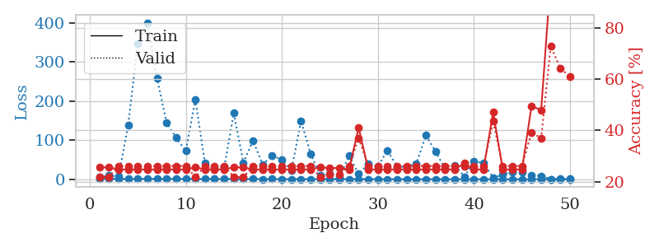
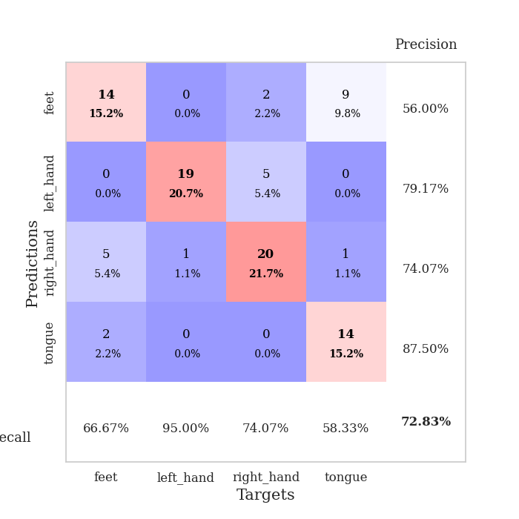
train_loss | valid_loss | train_accuracy | valid_accuracy | dur | train_misclass | valid_misclass
2.7332790002 | 5.0815567141 | 0.25543478261 | 0.21739130435 | 0.10855484009 | 25.543478261 | 21.739130435
1.1622677627 | 9.5169273459 | 0.25543478261 | 0.21739130435 | 0.11013436317 | 25.543478261 | 21.739130435
1.3654580842 | 7.4645799347 | 0.2472826087 | 0.26086956522 | 0.10585927963 | 24.72826087 | 26.086956522
1.0764946925 | 138.28383371 | 0.2472826087 | 0.26086956522 | 0.10966038704 | 24.72826087 | 26.086956522
1.1949095467 | 346.30717137 | 0.2472826087 | 0.26086956522 | 0.1038441658 | 24.72826087 | 26.086956522
1.1875869969 | 400.90982719 | 0.2472826087 | 0.26086956522 | 0.10266852379 | 24.72826087 | 26.086956522
1.2508756389 | 259.47737387 | 0.2472826087 | 0.26086956522 | 0.11192941666 | 24.72826087 | 26.086956522
1.1452569353 | 144.95974267 | 0.2472826087 | 0.26086956522 | 0.10131621361 | 24.72826087 | 26.086956522
1.0441988862 | 106.10366722 | 0.2472826087 | 0.26086956522 | 0.10949516296 | 24.72826087 | 26.086956522
0.95102913742 | 72.868505395 | 0.2472826087 | 0.26086956522 | 0.11030125618 | 24.72826087 | 26.086956522
0.983176348 | 203.31494937 | 0.25543478261 | 0.21739130435 | 0.10363459587 | 25.543478261 | 21.739130435
0.79992141542 | 41.132987644 | 0.2472826087 | 0.26086956522 | 0.10220718384 | 24.72826087 | 26.086956522
0.91847835805 | 28.211239939 | 0.2472826087 | 0.26086956522 | 0.10129356384 | 24.72826087 | 26.086956522
0.83723339568 | 30.233357222 | 0.2472826087 | 0.26086956522 | 0.11030507088 | 24.72826087 | 26.086956522
0.81971308589 | 169.48492896 | 0.25543478261 | 0.21739130435 | 0.11261725426 | 25.543478261 | 21.739130435
0.80997641838 | 42.429226253 | 0.25543478261 | 0.21739130435 | 0.11229491234 | 25.543478261 | 21.739130435
0.74439799397 | 99.48817477 | 0.2472826087 | 0.26086956522 | 0.1044151783 | 24.72826087 | 26.086956522
0.66923767069 | 38.395468339 | 0.2472826087 | 0.26086956522 | 0.11008954048 | 24.72826087 | 26.086956522
0.71298306403 | 61.005509252 | 0.2472826087 | 0.26086956522 | 0.10422801971 | 24.72826087 | 26.086956522
0.58560254004 | 50.135042439 | 0.2472826087 | 0.26086956522 | 0.11073303223 | 24.72826087 | 26.086956522
0.63305553664 | 22.902454957 | 0.2472826087 | 0.26086956522 | 0.10537338257 | 24.72826087 | 26.086956522
0.61802169421 | 150.00147911 | 0.2472826087 | 0.26086956522 | 0.10874319077 | 24.72826087 | 26.086956522
0.58956930819 | 65.238352402 | 0.2472826087 | 0.26086956522 | 0.10516548157 | 24.72826087 | 26.086956522
0.57747277877 | 9.9522224509 | 0.25543478261 | 0.21739130435 | 0.113966465 | 25.543478261 | 21.739130435
0.59241666483 | 14.460900431 | 0.2527173913 | 0.22826086957 | 0.10556793213 | 25.27173913 | 22.826086957
0.54595831166 | 5.2984374917 | 0.2527173913 | 0.22826086957 | 0.10271668434 | 25.27173913 | 22.826086957
0.57293464179 | 60.460262133 | 0.2472826087 | 0.26086956522 | 0.11086153984 | 24.72826087 | 26.086956522
0.52963385375 | 13.530135445 | 0.41032608696 | 0.36956521739 | 0.10361075401 | 41.032608696 | 36.956521739
0.5104311439 | 39.505782915 | 0.2472826087 | 0.26086956522 | 0.11002397537 | 24.72826087 | 26.086956522
0.45102363112 | 33.507349346 | 0.2472826087 | 0.26086956522 | 0.11060643196 | 24.72826087 | 26.086956522
0.45715937958 | 74.061918176 | 0.2472826087 | 0.26086956522 | 0.10762619972 | 24.72826087 | 26.086956522
0.43837262755 | 32.235038094 | 0.2472826087 | 0.26086956522 | 0.1068713665 | 24.72826087 | 26.086956522
0.39375626004 | 32.256860401 | 0.2472826087 | 0.26086956522 | 0.10104393959 | 24.72826087 | 26.086956522
0.3351093346 | 39.478448619 | 0.2472826087 | 0.26086956522 | 0.11019682884 | 24.72826087 | 26.086956522
0.26021604985 | 112.63764224 | 0.2472826087 | 0.26086956522 | 0.10995578766 | 24.72826087 | 26.086956522
0.30265804137 | 71.680025349 | 0.2472826087 | 0.26086956522 | 0.10758328438 | 24.72826087 | 26.086956522
0.27873748768 | 26.292320583 | 0.2472826087 | 0.26086956522 | 0.10600781441 | 24.72826087 | 26.086956522
0.25427168867 | 36.475199907 | 0.2472826087 | 0.26086956522 | 0.10410380363 | 24.72826087 | 26.086956522
0.29168427023 | 6.9750403321 | 0.27173913043 | 0.26086956522 | 0.10462784767 | 27.173913043 | 26.086956522
0.25674752438 | 45.469037429 | 0.2472826087 | 0.26086956522 | 0.11182928085 | 24.72826087 | 26.086956522
0.285259218 | 41.856745181 | 0.2472826087 | 0.26086956522 | 0.10878181458 | 24.72826087 | 26.086956522
0.25177361622 | 4.2132960817 | 0.47010869565 | 0.4347826087 | 0.10740113258 | 47.010869565 | 43.47826087
0.23385672854 | 11.606338542 | 0.2472826087 | 0.26086956522 | 0.10153341293 | 24.72826087 | 26.086956522
0.21997260205 | 19.27965612 | 0.2472826087 | 0.26086956522 | 0.1040494442 | 24.72826087 | 26.086956522
0.20876293937 | 18.051120385 | 0.2472826087 | 0.26086956522 | 0.10245895386 | 24.72826087 | 26.086956522
0.22706305009 | 10.861055499 | 0.49456521739 | 0.39130434783 | 0.10782980919 | 49.456521739 | 39.130434783
0.19529676551 | 9.0594474958 | 0.47826086957 | 0.36956521739 | 0.10512471199 | 47.826086957 | 36.956521739
0.16859791428 | 0.65364620737 | 0.9972826087 | 0.72826086957 | 0.099837779999 | 99.72826087 | 72.826086957
0.20690242023 | 0.99787020165 | 0.97282608696 | 0.64130434783 | 0.10135984421 | 97.282608696 | 64.130434783
0.19746718264 | 1.0774031359 | 0.95923913043 | 0.60869565217 | 0.10486531258 | 95.923913043 | 60.869565217

Best Val accuracy is 0.7282608695652174 and Best test accuracy is 0.8275862068965517

Sheet3
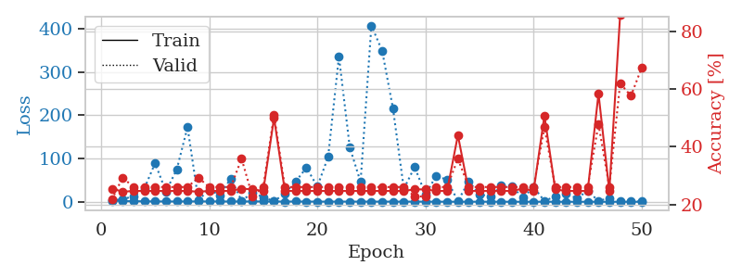
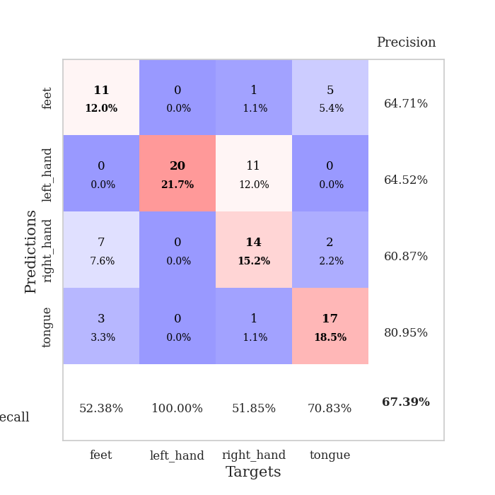
train_loss | valid_loss | train_accuracy | valid_accuracy | dur | train_misclass | valid_misclass
2.9491328364 | 2.7169110671 | 0.25543478261 | 0.21739130435 | 0.11088609695 | 25.543478261 | 21.739130435
1.6334050686 | 6.9175513102 | 0.24456521739 | 0.29347826087 | 0.10702586174 | 24.456521739 | 29.347826087
1.5859087472 | 11.947527554 | 0.2472826087 | 0.26086956522 | 0.10729813576 | 24.72826087 | 26.086956522
1.2633408101 | 30.511639222 | 0.2472826087 | 0.26086956522 | 0.10715174675 | 24.72826087 | 26.086956522
1.046781571 | 89.487410836 | 0.2472826087 | 0.26086956522 | 0.1048784256 | 24.72826087 | 26.086956522
0.96290047272 | 24.177853792 | 0.2472826087 | 0.26086956522 | 0.10122561455 | 24.72826087 | 26.086956522
0.84441081856 | 74.437875831 | 0.2472826087 | 0.26086956522 | 0.1091234684 | 24.72826087 | 26.086956522
1.0776333472 | 172.70766217 | 0.2472826087 | 0.26086956522 | 0.10179591179 | 24.72826087 | 26.086956522
0.92674619348 | 4.2255880418 | 0.24456521739 | 0.29347826087 | 0.10628461838 | 24.456521739 | 29.347826087
1.0476344798 | 28.113936466 | 0.2472826087 | 0.26086956522 | 0.10689139366 | 24.72826087 | 26.086956522
0.97415984714 | 15.293879136 | 0.2472826087 | 0.26086956522 | 0.11047387123 | 24.72826087 | 26.086956522
0.78959349057 | 54.083006983 | 0.2472826087 | 0.26086956522 | 0.11033916473 | 24.72826087 | 26.086956522
0.94224451677 | 2.6462793039 | 0.25543478261 | 0.35869565217 | 0.11235547066 | 25.543478261 | 35.869565217
0.85367977101 | 20.850960358 | 0.2527173913 | 0.22826086957 | 0.10722088814 | 25.27173913 | 22.826086957
0.96480548511 | 11.129917933 | 0.2472826087 | 0.26086956522 | 0.10624599457 | 24.72826087 | 26.086956522
0.78104816312 | 1.2491362717 | 0.5 | 0.51086956522 | 0.10564088821 | 50 | 51.086956522
0.68829569739 | 19.547210071 | 0.2472826087 | 0.26086956522 | 0.10892987251 | 24.72826087 | 26.086956522
0.77328421629 | 46.973514059 | 0.2472826087 | 0.26086956522 | 0.10754776001 | 24.72826087 | 26.086956522
0.65294554052 | 79.264373116 | 0.2472826087 | 0.26086956522 | 0.10968375206 | 24.72826087 | 26.086956522
0.64368403476 | 35.21971744 | 0.2472826087 | 0.26086956522 | 0.10393595695 | 24.72826087 | 26.086956522
0.54366570063 | 103.70360764 | 0.2472826087 | 0.26086956522 | 0.10345339775 | 24.72826087 | 26.086956522
0.64034758055 | 335.81482332 | 0.2472826087 | 0.26086956522 | 0.10440039635 | 24.72826087 | 26.086956522
0.62997106754 | 126.02625042 | 0.2472826087 | 0.26086956522 | 0.10953402519 | 24.72826087 | 26.086956522
0.58103265322 | 45.825130463 | 0.2472826087 | 0.26086956522 | 0.1059448719 | 24.72826087 | 26.086956522
0.60237843705 | 407.48130069 | 0.2472826087 | 0.26086956522 | 0.10631036758 | 24.72826087 | 26.086956522
0.55510346008 | 348.59683493 | 0.2472826087 | 0.26086956522 | 0.10423636436 | 24.72826087 | 26.086956522
0.54135988458 | 215.16516379 | 0.2472826087 | 0.26086956522 | 0.10383224487 | 24.72826087 | 26.086956522
0.42577601062 | 30.15134488 | 0.2472826087 | 0.26086956522 | 0.10777616501 | 24.72826087 | 26.086956522
0.53568241259 | 80.639794723 | 0.2527173913 | 0.22826086957 | 0.10735583305 | 25.27173913 | 22.826086957
0.47207061104 | 16.915401459 | 0.2527173913 | 0.22826086957 | 0.10064029694 | 25.27173913 | 22.826086957
0.4419760244 | 60.529647827 | 0.2472826087 | 0.26086956522 | 0.10719132423 | 24.72826087 | 26.086956522
0.36969264726 | 50.651925294 | 0.2472826087 | 0.26086956522 | 0.10200023651 | 24.72826087 | 26.086956522
0.35691598706 | 1.8965353966 | 0.4402173913 | 0.35869565217 | 0.10591840744 | 44.02173913 | 35.869565217
0.33844384778 | 47.328474128 | 0.2472826087 | 0.26086956522 | 0.1009850502 | 24.72826087 | 26.086956522
0.38721790845 | 17.573614038 | 0.2472826087 | 0.26086956522 | 0.10309290886 | 24.72826087 | 26.086956522
0.31523734817 | 12.113126589 | 0.2472826087 | 0.26086956522 | 0.10202264786 | 24.72826087 | 26.086956522
0.33139843882 | 37.420381712 | 0.2472826087 | 0.26086956522 | 0.10398387909 | 24.72826087 | 26.086956522
0.26695499472 | 35.965116335 | 0.2472826087 | 0.26086956522 | 0.10237050056 | 24.72826087 | 26.086956522
0.27347939656 | 9.3217262392 | 0.25543478261 | 0.26086956522 | 0.10663795471 | 25.543478261 | 26.086956522
0.24516334061 | 34.2923069 | 0.2472826087 | 0.26086956522 | 0.099159479141 | 24.72826087 | 26.086956522
0.27388290899 | 1.9542188022 | 0.50815217391 | 0.46739130435 | 0.099493026733 | 50.815217391 | 46.739130435
0.24509369809 | 12.734569052 | 0.2527173913 | 0.26086956522 | 0.10573577881 | 25.27173913 | 26.086956522
0.21525864983 | 18.114324487 | 0.2472826087 | 0.26086956522 | 0.10088014603 | 24.72826087 | 26.086956522
0.21528081887 | 8.5775217803 | 0.2472826087 | 0.26086956522 | 0.10944986343 | 24.72826087 | 26.086956522
0.28460366797 | 25.044098232 | 0.2472826087 | 0.26086956522 | 0.10247778893 | 24.72826087 | 26.086956522
0.18969722513 | 2.0250989147 | 0.58423913043 | 0.47826086957 | 0.11586022377 | 58.423913043 | 47.826086957
0.23005030839 | 8.8302834138 | 0.2472826087 | 0.26086956522 | 0.10913658142 | 24.72826087 | 26.086956522
0.19391885011 | 1.0181751459 | 0.85597826087 | 0.61956521739 | 0.10233640671 | 85.597826087 | 61.956521739
0.23964040986 | 1.1212923268 | 0.88315217391 | 0.57608695652 | 0.10133695602 | 88.315217391 | 57.608695652
0.19560419509 | 0.84867837377 | 0.97826086957 | 0.67391304348 | 0.10689926147 | 97.826086957 | 67.391304348

Best Val accuracy is 0.6739130434782609 and Best test accuracy is 0.8103448275862069

Sheet4
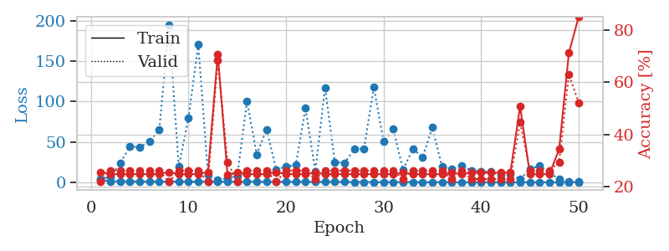
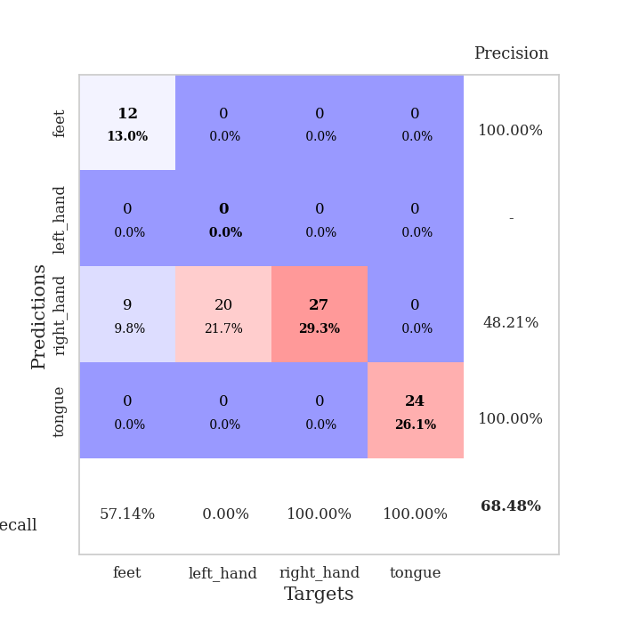
train_loss | valid_loss | train_accuracy | valid_accuracy | dur | train_misclass | valid_misclass
2.9247568768 | 4.4196814247 | 0.25543478261 | 0.21739130435 | 0.11014437675 | 25.543478261 | 21.739130435
1.5121825078 | 6.7854683918 | 0.2472826087 | 0.26086956522 | 0.1020359993 | 24.72826087 | 26.086956522
1.3685937265 | 23.772981975 | 0.2472826087 | 0.26086956522 | 0.10304331779 | 24.72826087 | 26.086956522
1.2694318217 | 44.81712673 | 0.2472826087 | 0.26086956522 | 0.11313390732 | 24.72826087 | 26.086956522
1.0995628678 | 43.199634718 | 0.2472826087 | 0.26086956522 | 0.10008645058 | 24.72826087 | 26.086956522
1.0627558231 | 50.770901639 | 0.2472826087 | 0.26086956522 | 0.11266517639 | 24.72826087 | 26.086956522
1.0038461867 | 65.189164535 | 0.2472826087 | 0.26086956522 | 0.10774636269 | 24.72826087 | 26.086956522
0.93446198235 | 194.5051714 | 0.25543478261 | 0.21739130435 | 0.1075334549 | 25.543478261 | 21.739130435
0.95665084279 | 19.71983835 | 0.2472826087 | 0.26086956522 | 0.10957407951 | 24.72826087 | 26.086956522
0.97618956929 | 79.668214549 | 0.2472826087 | 0.26086956522 | 0.10304117203 | 24.72826087 | 26.086956522
0.88111589525 | 170.22254546 | 0.2472826087 | 0.26086956522 | 0.10832500458 | 24.72826087 | 26.086956522
1.1144941423 | 9.212556217 | 0.25543478261 | 0.21739130435 | 0.10291171074 | 25.543478261 | 21.739130435
0.86922591406 | 3.3498965502 | 0.70652173913 | 0.6847826087 | 0.10479688644 | 70.652173913 | 68.47826087
0.92475812331 | 4.880343064 | 0.24456521739 | 0.29347826087 | 0.10585236549 | 24.456521739 | 29.347826087
0.79072688844 | 8.1228628988 | 0.25543478261 | 0.21739130435 | 0.10207796097 | 25.543478261 | 21.739130435
0.79505669682 | 100.27371979 | 0.2472826087 | 0.26086956522 | 0.11125159264 | 24.72826087 | 26.086956522
0.77124281681 | 34.636029865 | 0.2472826087 | 0.26086956522 | 0.10312247276 | 24.72826087 | 26.086956522
0.74703564722 | 65.579789701 | 0.2472826087 | 0.26086956522 | 0.10407924652 | 24.72826087 | 26.086956522
0.72914476887 | 15.709110758 | 0.25543478261 | 0.21739130435 | 0.11604142189 | 25.543478261 | 21.739130435
0.72117025567 | 19.685281007 | 0.2472826087 | 0.26086956522 | 0.10877490044 | 24.72826087 | 26.086956522
0.63157819795 | 21.248432325 | 0.2472826087 | 0.26086956522 | 0.10874223709 | 24.72826087 | 26.086956522
0.71449618884 | 91.811831599 | 0.2472826087 | 0.26086956522 | 0.10708427429 | 24.72826087 | 26.086956522
0.56970274837 | 13.862498408 | 0.2527173913 | 0.22826086957 | 0.10489630699 | 25.27173913 | 22.826086957
0.60480225605 | 116.92293814 | 0.2472826087 | 0.26086956522 | 0.10780334473 | 24.72826087 | 26.086956522
0.68989810088 | 24.866236562 | 0.2472826087 | 0.26086956522 | 0.10680961609 | 24.72826087 | 26.086956522
0.56127971799 | 24.122381708 | 0.2472826087 | 0.26086956522 | 0.11508059502 | 24.72826087 | 26.086956522
0.53982893669 | 40.942653158 | 0.2472826087 | 0.26086956522 | 0.11307001114 | 24.72826087 | 26.086956522
0.49219362243 | 41.87594505 | 0.2472826087 | 0.26086956522 | 0.10556554794 | 24.72826087 | 26.086956522
0.46075304306 | 117.8832215 | 0.2472826087 | 0.26086956522 | 0.1098754406 | 24.72826087 | 26.086956522
0.45928566547 | 50.50232879 | 0.2472826087 | 0.26086956522 | 0.10929656029 | 24.72826087 | 26.086956522
0.44148462687 | 65.836172187 | 0.2472826087 | 0.26086956522 | 0.10217380524 | 24.72826087 | 26.086956522
0.43274017585 | 15.531959658 | 0.2527173913 | 0.22826086957 | 0.10327553749 | 25.27173913 | 22.826086957
0.37597630821 | 41.406390812 | 0.2472826087 | 0.26086956522 | 0.10194301605 | 24.72826087 | 26.086956522
0.42612232009 | 31.169609484 | 0.2472826087 | 0.26086956522 | 0.10633683205 | 24.72826087 | 26.086956522
0.29427104281 | 67.931461666 | 0.2472826087 | 0.26086956522 | 0.1049182415 | 24.72826087 | 26.086956522
0.36153282679 | 19.255172315 | 0.2472826087 | 0.26086956522 | 0.10407400131 | 24.72826087 | 26.086956522
0.24756770678 | 16.483159438 | 0.2527173913 | 0.22826086957 | 0.10706305504 | 25.27173913 | 22.826086957
0.28542798288 | 20.280502651 | 0.2472826087 | 0.26086956522 | 0.10920619965 | 24.72826087 | 26.086956522
0.2827603817 | 14.828926045 | 0.2527173913 | 0.22826086957 | 0.10824394226 | 25.27173913 | 22.826086957
0.25011917884 | 13.443255259 | 0.2527173913 | 0.22826086957 | 0.10284113884 | 25.27173913 | 22.826086957
0.26183611932 | 13.017789758 | 0.2527173913 | 0.22826086957 | 0.10320711136 | 25.27173913 | 22.826086957
0.23445114007 | 8.9122800827 | 0.2527173913 | 0.22826086957 | 0.11832094193 | 25.27173913 | 22.826086957
0.1933808006 | 9.9078845563 | 0.2527173913 | 0.22826086957 | 0.1130065918 | 25.27173913 | 22.826086957
0.189346192 | 3.9364025075 | 0.50815217391 | 0.44565217391 | 0.1107301712 | 50.815217391 | 44.565217391
0.21025640096 | 16.496335403 | 0.2472826087 | 0.26086956522 | 0.11269617081 | 24.72826087 | 26.086956522
0.21576127896 | 20.409435023 | 0.2472826087 | 0.26086956522 | 0.10064768791 | 24.72826087 | 26.086956522
0.20423504192 | 12.298090105 | 0.2472826087 | 0.26086956522 | 0.10325145721 | 24.72826087 | 26.086956522
0.18329870296 | 3.6849174396 | 0.34239130435 | 0.29347826087 | 0.11299371719 | 34.239130435 | 29.347826087
0.25698914565 | 1.196543849 | 0.71195652174 | 0.63043478261 | 0.10935115814 | 71.195652174 | 63.043478261
0.25365092816 | 1.4674830592 | 0.85054347826 | 0.52173913043 | 0.10515785217 | 85.054347826 | 52.173913043

Best Val accuracy is 0.6847826086956522 and Best test accuracy is 0.6810344827586207

Sheet5
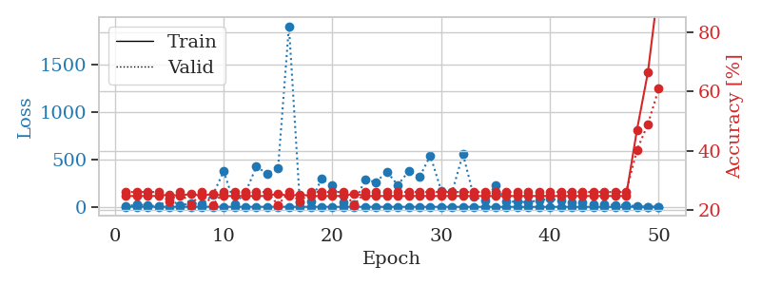
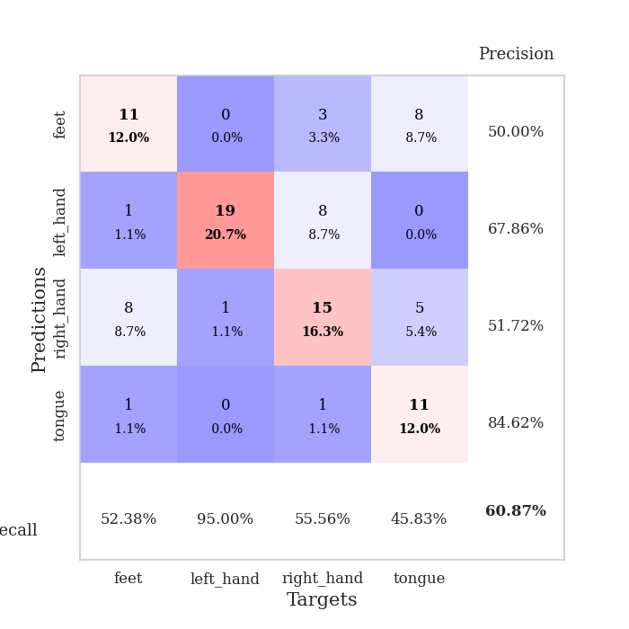
train_loss | valid_loss | train_accuracy | valid_accuracy | dur | train_misclass | valid_misclass
2.997527449 | 2.5034516221 | 0.2472826087 | 0.26086956522 | 0.10903382301 | 24.72826087 | 26.086956522
1.2394463057 | 27.204657513 | 0.2472826087 | 0.26086956522 | 0.10579943657 | 24.72826087 | 26.086956522
1.3444152034 | 14.733302365 | 0.2472826087 | 0.26086956522 | 0.10845661163 | 24.72826087 | 26.086956522
1.1080860703 | 8.5012220507 | 0.2472826087 | 0.26086956522 | 0.10660195351 | 24.72826087 | 26.086956522
0.93784397581 | 83.263469198 | 0.2527173913 | 0.22826086957 | 0.11120939255 | 25.27173913 | 22.826086957
0.96583212977 | 13.084793381 | 0.2472826087 | 0.26086956522 | 0.10373497009 | 24.72826087 | 26.086956522
0.97484353314 | 40.633676446 | 0.25543478261 | 0.21739130435 | 0.10208106041 | 25.543478261 | 21.739130435
0.98148679345 | 28.971766347 | 0.2472826087 | 0.26086956522 | 0.10923981667 | 24.72826087 | 26.086956522
1.0755032003 | 126.04469034 | 0.25543478261 | 0.21739130435 | 0.10401010513 | 25.543478261 | 21.739130435
0.98693602759 | 373.93972248 | 0.2472826087 | 0.26086956522 | 0.10890007019 | 24.72826087 | 26.086956522
0.89059528708 | 30.457196526 | 0.2472826087 | 0.26086956522 | 0.1091003418 | 24.72826087 | 26.086956522
0.74341164205 | 149.71707485 | 0.2472826087 | 0.26086956522 | 0.10951113701 | 24.72826087 | 26.086956522
0.84283464629 | 422.70377383 | 0.2472826087 | 0.26086956522 | 0.10666227341 | 24.72826087 | 26.086956522
0.86024127577 | 349.44566014 | 0.2472826087 | 0.26086956522 | 0.10649085045 | 24.72826087 | 26.086956522
0.87494401051 | 408.67690775 | 0.25543478261 | 0.21739130435 | 0.11072731018 | 25.543478261 | 21.739130435
0.96615755817 | 1899.5774244 | 0.2472826087 | 0.26086956522 | 0.10962891579 | 24.72826087 | 26.086956522
0.86398484396 | 47.785679195 | 0.2527173913 | 0.22826086957 | 0.11031317711 | 25.27173913 | 22.826086957
0.70078546586 | 56.996888202 | 0.2472826087 | 0.26086956522 | 0.11084198952 | 24.72826087 | 26.086956522
0.6570177454 | 292.88989722 | 0.2472826087 | 0.26086956522 | 0.10786867142 | 24.72826087 | 26.086956522
0.64639333668 | 224.25843546 | 0.2472826087 | 0.26086956522 | 0.10606575012 | 24.72826087 | 26.086956522
0.67421475701 | 50.085779771 | 0.2472826087 | 0.26086956522 | 0.10379433632 | 24.72826087 | 26.086956522
0.57209594936 | 29.86313936 | 0.25543478261 | 0.21739130435 | 0.11013174057 | 25.543478261 | 21.739130435
0.6045085399 | 287.45629949 | 0.2472826087 | 0.26086956522 | 0.1066942215 | 24.72826087 | 26.086956522
0.54834439444 | 259.41028894 | 0.2472826087 | 0.26086956522 | 0.10976481438 | 24.72826087 | 26.086956522
0.63553586084 | 369.80387149 | 0.2472826087 | 0.26086956522 | 0.10496807098 | 24.72826087 | 26.086956522
0.53437689854 | 230.13529836 | 0.2472826087 | 0.26086956522 | 0.10951566696 | 24.72826087 | 26.086956522
0.50831842163 | 372.23708974 | 0.2472826087 | 0.26086956522 | 0.11059594154 | 24.72826087 | 26.086956522
0.4994116892 | 312.99349445 | 0.2472826087 | 0.26086956522 | 0.10270094872 | 24.72826087 | 26.086956522
0.45222941041 | 538.74887881 | 0.2472826087 | 0.26086956522 | 0.10632300377 | 24.72826087 | 26.086956522
0.47155221973 | 170.76416082 | 0.2472826087 | 0.26086956522 | 0.10440826416 | 24.72826087 | 26.086956522
0.37567297661 | 155.36610811 | 0.2472826087 | 0.26086956522 | 0.098980426788 | 24.72826087 | 26.086956522
0.38192255082 | 553.99890269 | 0.2472826087 | 0.26086956522 | 0.11186957359 | 24.72826087 | 26.086956522
0.32978888374 | 106.63859359 | 0.2472826087 | 0.26086956522 | 0.10660004616 | 24.72826087 | 26.086956522
0.35708025163 | 62.804807414 | 0.2472826087 | 0.26086956522 | 0.10104775429 | 24.72826087 | 26.086956522
0.31654552079 | 228.58216062 | 0.2472826087 | 0.26086956522 | 0.11263799667 | 24.72826087 | 26.086956522
0.35536409072 | 52.961067531 | 0.2472826087 | 0.26086956522 | 0.10075473785 | 24.72826087 | 26.086956522
0.29135938377 | 56.429675061 | 0.2472826087 | 0.26086956522 | 0.10764050484 | 24.72826087 | 26.086956522
0.26795905893 | 48.649308412 | 0.2472826087 | 0.26086956522 | 0.10641956329 | 24.72826087 | 26.086956522
0.24758082401 | 69.908037766 | 0.2472826087 | 0.26086956522 | 0.1070420742 | 24.72826087 | 26.086956522
0.24583111736 | 83.779388759 | 0.2472826087 | 0.26086956522 | 0.10958647728 | 24.72826087 | 26.086956522
0.22742482987 | 67.717225614 | 0.2472826087 | 0.26086956522 | 0.10384631157 | 24.72826087 | 26.086956522
0.22823950778 | 44.715050407 | 0.2472826087 | 0.26086956522 | 0.11283183098 | 24.72826087 | 26.086956522
0.22944018925 | 49.241953311 | 0.2472826087 | 0.26086956522 | 0.10691571236 | 24.72826087 | 26.086956522
0.22676191576 | 22.711805012 | 0.2472826087 | 0.26086956522 | 0.10304284096 | 24.72826087 | 26.086956522
0.18400574184 | 24.171957679 | 0.2472826087 | 0.26086956522 | 0.10579943657 | 24.72826087 | 26.086956522
0.18596168446 | 19.406524492 | 0.2472826087 | 0.26086956522 | 0.1082482338 | 24.72826087 | 26.086956522
0.21139330806 | 21.489168167 | 0.2472826087 | 0.26086956522 | 0.10105109215 | 24.72826087 | 26.086956522
0.18889779047 | 4.9808882216 | 0.47010869565 | 0.40217391304 | 0.10962605476 | 47.010869565 | 40.217391304
0.15677306242 | 1.7455761381 | 0.66304347826 | 0.48913043478 | 0.10443019867 | 66.304347826 | 48.913043478
0.16535709766 | 1.1149248248 | 0.95923913043 | 0.60869565217 | 0.11560869217 | 95.923913043 | 60.869565217

Best Val accuracy is 0.6086956521739131 and Best test accuracy is 0.7586206896551724

Sheet6
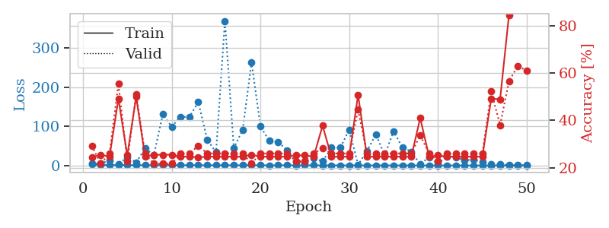
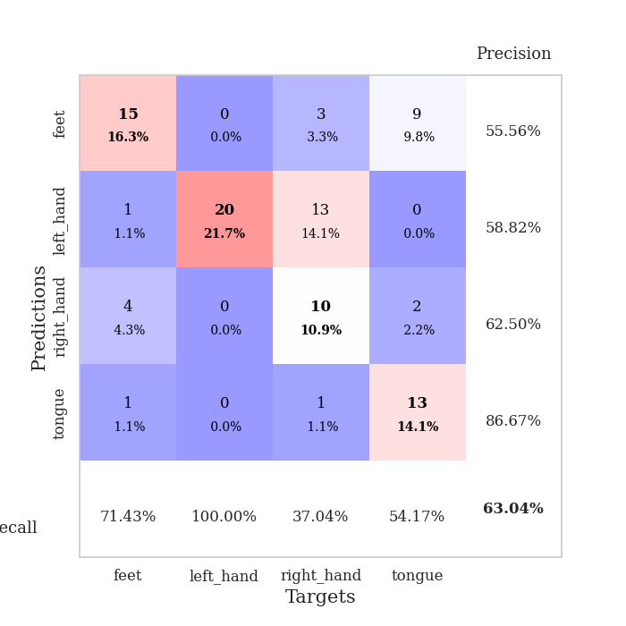
train_loss | valid_loss | train_accuracy | valid_accuracy | dur | train_misclass | valid_misclass
3.0703181028 | 5.4073033955 | 0.24456521739 | 0.29347826087 | 0.098598480225 | 24.456521739 | 29.347826087
1.2739634125 | 4.7008624077 | 0.25543478261 | 0.21739130435 | 0.09703540802 | 25.543478261 | 21.739130435
1.2177412432 | 13.63941912 | 0.2472826087 | 0.26086956522 | 0.10502290726 | 24.72826087 | 26.086956522
1.1719748896 | 3.3978646683 | 0.49184782609 | 0.55434782609 | 0.10939025879 | 49.184782609 | 55.434782609
1.1602941285 | 21.90119959 | 0.2527173913 | 0.22826086957 | 0.10551047325 | 25.27173913 | 22.826086957
1.0339145349 | 7.6781434391 | 0.5 | 0.51086956522 | 0.10585141182 | 50 | 51.086956522
0.9996993464 | 43.558719967 | 0.2472826087 | 0.26086956522 | 0.10695576668 | 24.72826087 | 26.086956522
0.96886012606 | 27.251936374 | 0.25543478261 | 0.21739130435 | 0.10734224319 | 25.543478261 | 21.739130435
1.0088794633 | 130.60227966 | 0.25543478261 | 0.21739130435 | 0.11584329605 | 25.543478261 | 21.739130435
1.1220418215 | 99.173021068 | 0.25543478261 | 0.21739130435 | 0.10162138939 | 25.543478261 | 21.739130435
0.8998105526 | 124.22431183 | 0.2472826087 | 0.26086956522 | 0.10842084885 | 24.72826087 | 26.086956522
1.0022569066 | 123.73459526 | 0.2472826087 | 0.26086956522 | 0.11268520355 | 24.72826087 | 26.086956522
0.87382899419 | 161.86948527 | 0.24456521739 | 0.29347826087 | 0.10184931755 | 24.456521739 | 29.347826087
0.77045999791 | 65.905807495 | 0.2472826087 | 0.26086956522 | 0.10056114197 | 24.72826087 | 26.086956522
0.76609894374 | 33.642453733 | 0.2472826087 | 0.26086956522 | 0.10371899605 | 24.72826087 | 26.086956522
0.8133836259 | 368.55989406 | 0.2472826087 | 0.26086956522 | 0.10225439072 | 24.72826087 | 26.086956522
0.73523766839 | 44.152109229 | 0.2472826087 | 0.26086956522 | 0.10907006264 | 24.72826087 | 26.086956522
0.78195819259 | 91.568248251 | 0.2472826087 | 0.26086956522 | 0.10619449615 | 24.72826087 | 26.086956522
0.72515527321 | 263.10837057 | 0.25543478261 | 0.21739130435 | 0.10831928253 | 25.543478261 | 21.739130435
0.6634275667 | 99.67687159 | 0.2472826087 | 0.26086956522 | 0.10797572136 | 24.72826087 | 26.086956522
0.6024207732 | 62.623470141 | 0.2472826087 | 0.26086956522 | 0.10581731796 | 24.72826087 | 26.086956522
0.67481179989 | 60.412608934 | 0.2472826087 | 0.26086956522 | 0.10629844666 | 24.72826087 | 26.086956522
0.77757545204 | 38.809502146 | 0.2472826087 | 0.26086956522 | 0.10577201843 | 24.72826087 | 26.086956522
0.60809938545 | 10.321862511 | 0.2527173913 | 0.22826086957 | 0.10234856606 | 25.27173913 | 22.826086957
0.67107312446 | 7.7654640156 | 0.2527173913 | 0.22826086957 | 0.10662508011 | 25.27173913 | 22.826086957
0.69433339005 | 18.998417066 | 0.2472826087 | 0.26086956522 | 0.10518813133 | 24.72826087 | 26.086956522
0.48428472164 | 10.841869479 | 0.3777173913 | 0.28260869565 | 0.10436367989 | 37.77173913 | 28.260869565
0.54119279981 | 45.571016892 | 0.2472826087 | 0.26086956522 | 0.10722565651 | 24.72826087 | 26.086956522
0.44451482205 | 45.674320884 | 0.2472826087 | 0.26086956522 | 0.099792003632 | 24.72826087 | 26.086956522
0.48627740404 | 91.300613403 | 0.2472826087 | 0.26086956522 | 0.10622310638 | 24.72826087 | 26.086956522
0.47994096124 | 1.9196680629 | 0.50815217391 | 0.44565217391 | 0.1071190834 | 50.815217391 | 44.565217391
0.39580590926 | 36.729431069 | 0.2472826087 | 0.26086956522 | 0.11008071899 | 24.72826087 | 26.086956522
0.38810971898 | 79.613356217 | 0.2472826087 | 0.26086956522 | 0.10429263115 | 24.72826087 | 26.086956522
0.37231847061 | 26.233926524 | 0.2472826087 | 0.26086956522 | 0.1069111824 | 24.72826087 | 26.086956522
0.39317216076 | 87.548734914 | 0.2472826087 | 0.26086956522 | 0.10006403923 | 24.72826087 | 26.086956522
0.43023809046 | 45.723758034 | 0.2472826087 | 0.26086956522 | 0.10751771927 | 24.72826087 | 26.086956522
0.39363368439 | 35.4745019 | 0.2472826087 | 0.26086956522 | 0.10445809364 | 24.72826087 | 26.086956522
0.26486686228 | 3.0447514109 | 0.41032608696 | 0.33695652174 | 0.101978302 | 41.032608696 | 33.695652174
0.27683860614 | 21.895712479 | 0.2472826087 | 0.26086956522 | 0.10434246063 | 24.72826087 | 26.086956522
0.2523999198 | 4.6263332989 | 0.2527173913 | 0.22826086957 | 0.10751891136 | 25.27173913 | 22.826086957
0.28191477708 | 22.659066573 | 0.2472826087 | 0.26086956522 | 0.10881757736 | 24.72826087 | 26.086956522
0.25389834526 | 21.927992448 | 0.2472826087 | 0.26086956522 | 0.10935091972 | 24.72826087 | 26.086956522
0.27560675015 | 13.200674928 | 0.2472826087 | 0.26086956522 | 0.12013244629 | 24.72826087 | 26.086956522
0.21357490284 | 15.500921042 | 0.2472826087 | 0.26086956522 | 0.10441422462 | 24.72826087 | 26.086956522
0.22275374376 | 9.6669092593 | 0.2472826087 | 0.26086956522 | 0.103048563 | 24.72826087 | 26.086956522
0.18535405009 | 2.7237297297 | 0.49184782609 | 0.52173913043 | 0.10975909233 | 49.184782609 | 52.173913043
0.18602453577 | 3.2541146382 | 0.48913043478 | 0.38043478261 | 0.11032557487 | 48.913043478 | 38.043478261
0.18680321587 | 1.2703583707 | 0.84510869565 | 0.5652173913 | 0.10004234314 | 84.510869565 | 56.52173913
0.18696392749 | 0.92040107302 | 0.97282608696 | 0.63043478261 | 0.10333657265 | 97.282608696 | 63.043478261
0.239263019 | 1.0284504554 | 0.95923913043 | 0.60869565217 | 0.10354018211 | 95.923913043 | 60.869565217

Best Val accuracy is 0.6304347826086957 and Best test accuracy is 0.8103448275862069

Sheet7
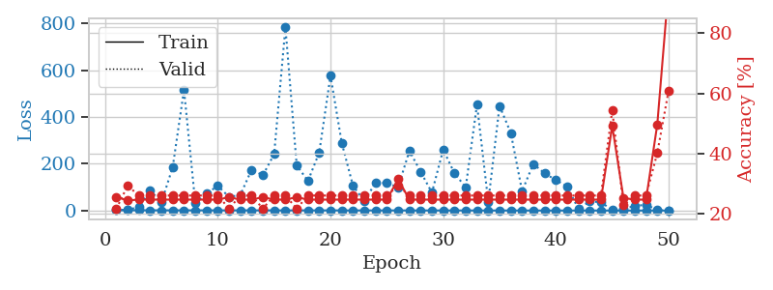
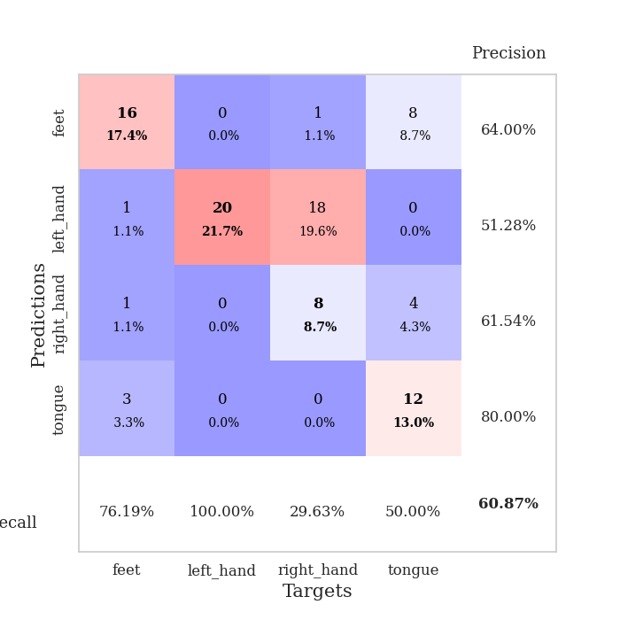
train_loss | valid_loss | train_accuracy | valid_accuracy | dur | train_misclass | valid_misclass
2.5554949926 | 2.1490302501 | 0.25543478261 | 0.21739130435 | 0.11153101921 | 25.543478261 | 21.739130435
1.3233952082 | 3.1346108499 | 0.24456521739 | 0.29347826087 | 0.10032439232 | 24.456521739 | 29.347826087
1.5437089801 | 14.998831251 | 0.2472826087 | 0.26086956522 | 0.10525894165 | 24.72826087 | 26.086956522
1.1652406428 | 85.779505191 | 0.2472826087 | 0.26086956522 | 0.096924304962 | 24.72826087 | 26.086956522
1.1392977497 | 35.456950312 | 0.2472826087 | 0.26086956522 | 0.10330557823 | 24.72826087 | 26.086956522
0.99477280223 | 186.15710383 | 0.2472826087 | 0.26086956522 | 0.1080520153 | 24.72826087 | 26.086956522
1.0724383541 | 516.7082838 | 0.2472826087 | 0.26086956522 | 0.10620832443 | 24.72826087 | 26.086956522
1.0233976245 | 32.740304366 | 0.2472826087 | 0.26086956522 | 0.11402511597 | 24.72826087 | 26.086956522
0.96931674688 | 72.759306037 | 0.2472826087 | 0.26086956522 | 0.10849356651 | 24.72826087 | 26.086956522
0.91752436628 | 105.58804354 | 0.2472826087 | 0.26086956522 | 0.11299324036 | 24.72826087 | 26.086956522
0.84436989608 | 58.086211992 | 0.25543478261 | 0.21739130435 | 0.10208463669 | 25.543478261 | 21.739130435
0.98040525291 | 66.6126024 | 0.2472826087 | 0.26086956522 | 0.11208868027 | 24.72826087 | 26.086956522
0.88257319772 | 174.84425288 | 0.2472826087 | 0.26086956522 | 0.10523962975 | 24.72826087 | 26.086956522
0.93127284491 | 150.95897111 | 0.25543478261 | 0.21739130435 | 0.1066672802 | 25.543478261 | 21.739130435
0.8254439468 | 241.47773278 | 0.2472826087 | 0.26086956522 | 0.10838866234 | 24.72826087 | 26.086956522
0.70180262301 | 784.52078114 | 0.2472826087 | 0.26086956522 | 0.10448455811 | 24.72826087 | 26.086956522
0.87166063423 | 193.65455495 | 0.25543478261 | 0.21739130435 | 0.10177850723 | 25.543478261 | 21.739130435
0.74855159806 | 126.58245352 | 0.2472826087 | 0.26086956522 | 0.11215257645 | 24.72826087 | 26.086956522
0.78999637132 | 248.29291833 | 0.2472826087 | 0.26086956522 | 0.10597848892 | 24.72826087 | 26.086956522
0.75455464228 | 577.0572868 | 0.2472826087 | 0.26086956522 | 0.10166954994 | 24.72826087 | 26.086956522
0.67118468233 | 289.11027527 | 0.2472826087 | 0.26086956522 | 0.11562681198 | 24.72826087 | 26.086956522
0.57459064022 | 105.09997857 | 0.2472826087 | 0.26086956522 | 0.10626530647 | 24.72826087 | 26.086956522
0.63067376354 | 41.14025174 | 0.2472826087 | 0.26086956522 | 0.10923409462 | 24.72826087 | 26.086956522
0.63822136042 | 118.617836 | 0.2472826087 | 0.26086956522 | 0.10062193871 | 24.72826087 | 26.086956522
0.57723647939 | 117.82750238 | 0.2472826087 | 0.26086956522 | 0.10436916351 | 24.72826087 | 26.086956522
0.57305004934 | 100.02549628 | 0.3152173913 | 0.29347826087 | 0.10971236229 | 31.52173913 | 29.347826087
0.54752006997 | 255.39494589 | 0.2472826087 | 0.26086956522 | 0.10283470154 | 24.72826087 | 26.086956522
0.4569156131 | 166.15646827 | 0.2472826087 | 0.26086956522 | 0.10585236549 | 24.72826087 | 26.086956522
0.50722745709 | 76.523958621 | 0.2472826087 | 0.26086956522 | 0.10122203827 | 24.72826087 | 26.086956522
0.50248305953 | 260.80935536 | 0.2472826087 | 0.26086956522 | 0.10599040985 | 24.72826087 | 26.086956522
0.47652912172 | 159.50841323 | 0.2472826087 | 0.26086956522 | 0.10362744331 | 24.72826087 | 26.086956522
0.47574755193 | 99.385706031 | 0.2472826087 | 0.26086956522 | 0.099246263504 | 24.72826087 | 26.086956522
0.41544397337 | 453.9196021 | 0.2472826087 | 0.26086956522 | 0.10298752785 | 24.72826087 | 26.086956522
0.30622611065 | 36.606728181 | 0.2472826087 | 0.26086956522 | 0.10868501663 | 24.72826087 | 26.086956522
0.34350955162 | 447.93196836 | 0.2472826087 | 0.26086956522 | 0.10147643089 | 24.72826087 | 26.086956522
0.34060637135 | 332.07740983 | 0.2472826087 | 0.26086956522 | 0.11200976372 | 24.72826087 | 26.086956522
0.28865781264 | 83.063274881 | 0.2472826087 | 0.26086956522 | 0.11014556885 | 24.72826087 | 26.086956522
0.23793955633 | 199.57821854 | 0.2472826087 | 0.26086956522 | 0.11247587204 | 24.72826087 | 26.086956522
0.23676767233 | 158.82754981 | 0.2472826087 | 0.26086956522 | 0.10977315903 | 24.72826087 | 26.086956522
0.28551105637 | 130.95905967 | 0.2472826087 | 0.26086956522 | 0.1033987999 | 24.72826087 | 26.086956522
0.23490943144 | 102.4940494 | 0.2472826087 | 0.26086956522 | 0.10329675674 | 24.72826087 | 26.086956522
0.210941534 | 7.3610350775 | 0.2472826087 | 0.26086956522 | 0.10372900963 | 24.72826087 | 26.086956522
0.22701135683 | 39.175563978 | 0.2472826087 | 0.26086956522 | 0.10761380196 | 24.72826087 | 26.086956522
0.18419278494 | 35.831059249 | 0.2472826087 | 0.26086956522 | 0.10940742493 | 24.72826087 | 26.086956522
0.20185242852 | 1.8696051681 | 0.49184782609 | 0.54347826087 | 0.10513162613 | 49.184782609 | 54.347826087
0.23505319137 | 5.917904066 | 0.2527173913 | 0.22826086957 | 0.11257100105 | 25.27173913 | 22.826086957
0.17873211837 | 20.318924697 | 0.2472826087 | 0.26086956522 | 0.10531377792 | 24.72826087 | 26.086956522
0.17703904114 | 24.369653038 | 0.2472826087 | 0.26086956522 | 0.11077880859 | 24.72826087 | 26.086956522
0.1937791216 | 3.4545160066 | 0.4972826087 | 0.40217391304 | 0.10830187798 | 49.72826087 | 40.217391304
0.18560950134 | 1.2050949957 | 0.95108695652 | 0.60869565217 | 0.10796356201 | 95.108695652 | 60.869565217

Best Val accuracy is 0.6086956521739131 and Best test accuracy is 0.7327586206896551

Sheet8
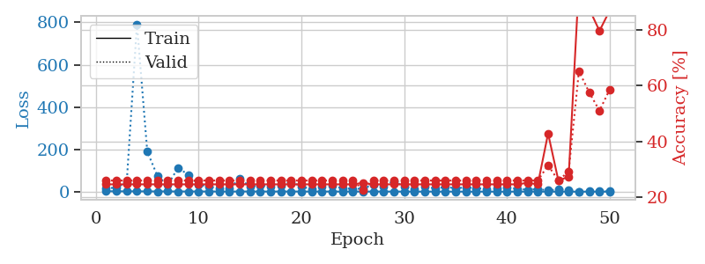
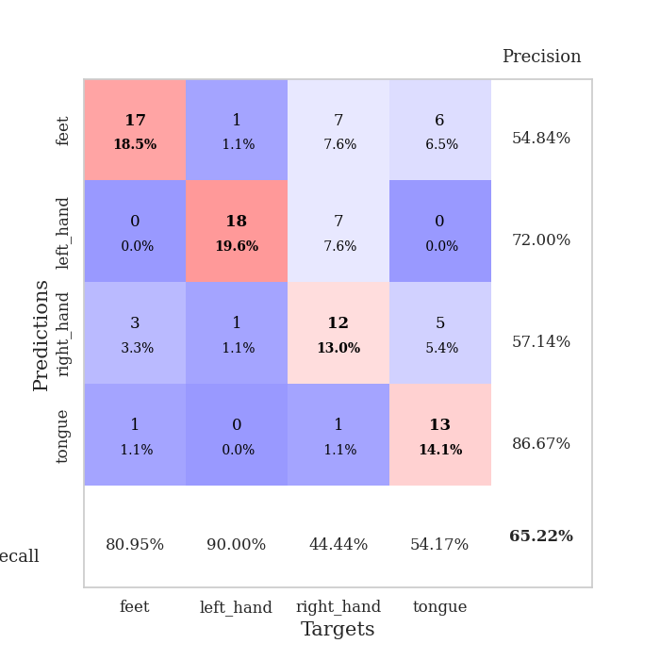
train_loss | valid_loss | train_accuracy | valid_accuracy | dur | train_misclass | valid_misclass
2.3117395795 | 14.886576653 | 0.2472826087 | 0.26086956522 | 0.11058282852 | 24.72826087 | 26.086956522
1.5627676171 | 19.994119893 | 0.2472826087 | 0.26086956522 | 0.10237646103 | 24.72826087 | 26.086956522
1.7324180318 | 43.405511773 | 0.2472826087 | 0.26086956522 | 0.10682225227 | 24.72826087 | 26.086956522
1.5538853174 | 791.44701352 | 0.2472826087 | 0.26086956522 | 0.10503435135 | 24.72826087 | 26.086956522
1.3694499887 | 189.73143801 | 0.2472826087 | 0.26086956522 | 0.1075694561 | 24.72826087 | 26.086956522
1.1071066805 | 72.634364916 | 0.2472826087 | 0.26086956522 | 0.11091804504 | 24.72826087 | 26.086956522
1.1784814156 | 32.415613672 | 0.2472826087 | 0.26086956522 | 0.10420799255 | 24.72826087 | 26.086956522
0.92174403175 | 112.7394993 | 0.2472826087 | 0.26086956522 | 0.1066133976 | 24.72826087 | 26.086956522
0.91468902774 | 79.759605408 | 0.2472826087 | 0.26086956522 | 0.10954785347 | 24.72826087 | 26.086956522
0.91764677478 | 32.957599806 | 0.2472826087 | 0.26086956522 | 0.10676050186 | 24.72826087 | 26.086956522
0.86269172637 | 22.771333363 | 0.2472826087 | 0.26086956522 | 0.10713934898 | 24.72826087 | 26.086956522
0.86423951906 | 15.888598359 | 0.2472826087 | 0.26086956522 | 0.1051697731 | 24.72826087 | 26.086956522
0.7346110033 | 15.143273602 | 0.2472826087 | 0.26086956522 | 0.11514115334 | 24.72826087 | 26.086956522
0.80162567159 | 61.977631113 | 0.2472826087 | 0.26086956522 | 0.12033081055 | 24.72826087 | 26.086956522
1.0106616383 | 24.275083542 | 0.2472826087 | 0.26086956522 | 0.11042833328 | 24.72826087 | 26.086956522
0.70549588877 | 28.793902604 | 0.2472826087 | 0.26086956522 | 0.10396790504 | 24.72826087 | 26.086956522
0.68833530597 | 24.781032645 | 0.2472826087 | 0.26086956522 | 0.11245107651 | 24.72826087 | 26.086956522
0.69462691312 | 26.524987179 | 0.2472826087 | 0.26086956522 | 0.10734677315 | 24.72826087 | 26.086956522
0.71620242233 | 46.15786428 | 0.2472826087 | 0.26086956522 | 0.10731744766 | 24.72826087 | 26.086956522
0.67178397205 | 24.464430436 | 0.2472826087 | 0.26086956522 | 0.10812973976 | 24.72826087 | 26.086956522
0.59704405199 | 11.299991234 | 0.2472826087 | 0.26086956522 | 0.10668206215 | 24.72826087 | 26.086956522
0.67124504175 | 24.711201295 | 0.2472826087 | 0.26086956522 | 0.10750436783 | 24.72826087 | 26.086956522
0.63355618327 | 28.240085768 | 0.2472826087 | 0.26086956522 | 0.10484719276 | 24.72826087 | 26.086956522
0.53134645716 | 16.120164291 | 0.2472826087 | 0.26086956522 | 0.11365842819 | 24.72826087 | 26.086956522
0.54595446327 | 13.445817325 | 0.2472826087 | 0.26086956522 | 0.11358714104 | 24.72826087 | 26.086956522
0.49507479434 | 14.086855349 | 0.2527173913 | 0.22826086957 | 0.11385202408 | 25.27173913 | 22.826086957
0.54854938064 | 34.269047862 | 0.2472826087 | 0.26086956522 | 0.10066723824 | 24.72826087 | 26.086956522
0.53938523324 | 25.289812254 | 0.2472826087 | 0.26086956522 | 0.10391879082 | 24.72826087 | 26.086956522
0.47283382066 | 50.372096518 | 0.2472826087 | 0.26086956522 | 0.10277748108 | 24.72826087 | 26.086956522
0.39861728769 | 22.738541064 | 0.2472826087 | 0.26086956522 | 0.10706520081 | 24.72826087 | 26.086956522
0.36428352737 | 12.48561034 | 0.2472826087 | 0.26086956522 | 0.10332274437 | 24.72826087 | 26.086956522
0.37618900414 | 24.64094303 | 0.2472826087 | 0.26086956522 | 0.1091196537 | 24.72826087 | 26.086956522
0.36124615501 | 15.018374526 | 0.2472826087 | 0.26086956522 | 0.10240268707 | 24.72826087 | 26.086956522
0.36755389137 | 22.126408618 | 0.2472826087 | 0.26086956522 | 0.10103869438 | 24.72826087 | 26.086956522
0.35677179467 | 15.884120983 | 0.2472826087 | 0.26086956522 | 0.10626220703 | 24.72826087 | 26.086956522
0.31850144397 | 20.351885339 | 0.2472826087 | 0.26086956522 | 0.10295343399 | 24.72826087 | 26.086956522
0.26178239448 | 17.368404969 | 0.2472826087 | 0.26086956522 | 0.10301685333 | 24.72826087 | 26.086956522
0.26969889616 | 11.929188148 | 0.2472826087 | 0.26086956522 | 0.10394620895 | 24.72826087 | 26.086956522
0.25125410797 | 15.615579149 | 0.2472826087 | 0.26086956522 | 0.10169458389 | 24.72826087 | 26.086956522
0.18158425504 | 20.808962615 | 0.2472826087 | 0.26086956522 | 0.10826826096 | 24.72826087 | 26.086956522
0.24858287317 | 13.3374334 | 0.2472826087 | 0.26086956522 | 0.10131788254 | 24.72826087 | 26.086956522
0.20910232352 | 9.0496177673 | 0.2527173913 | 0.26086956522 | 0.11113166809 | 25.27173913 | 26.086956522
0.19667944474 | 11.90376033 | 0.2472826087 | 0.26086956522 | 0.10397100449 | 24.72826087 | 26.086956522
0.1778988226 | 6.2459102506 | 0.42934782609 | 0.3152173913 | 0.11148190498 | 42.934782609 | 31.52173913
0.16207073888 | 10.037300649 | 0.26086956522 | 0.26086956522 | 0.1122572422 | 26.086956522 | 26.086956522
0.18013890258 | 8.0250405021 | 0.27445652174 | 0.29347826087 | 0.10479545593 | 27.445652174 | 29.347826087
0.15867527607 | 1.0843315591 | 0.96739130435 | 0.65217391304 | 0.10906720161 | 96.739130435 | 65.217391304
0.16673726508 | 1.329214293 | 0.875 | 0.57608695652 | 0.11464858055 | 87.5 | 57.608695652
0.16324470387 | 1.7631012305 | 0.79619565217 | 0.51086956522 | 0.10750436783 | 79.619565217 | 51.086956522
0.17645963298 | 1.6137167941 | 0.86956521739 | 0.58695652174 | 0.10769629478 | 86.956521739 | 58.695652174

Best Val accuracy is 0.6521739130434783 and Best test accuracy is 0.75

Sheet9
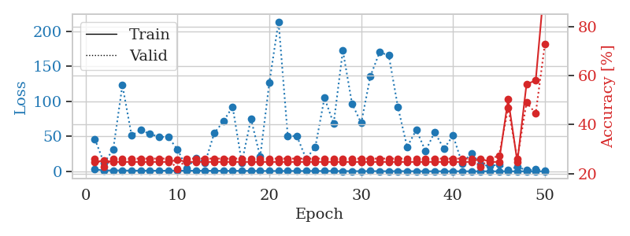
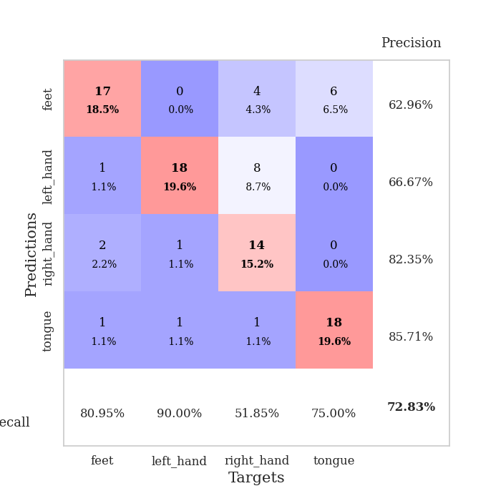
train_loss | valid_loss | train_accuracy | valid_accuracy | dur | train_misclass | valid_misclass
2.8446275333 | 46.053697006 | 0.2472826087 | 0.26086956522 | 0.10064482689 | 24.72826087 | 26.086956522
1.2227201954 | 11.965223603 | 0.2527173913 | 0.22826086957 | 0.097709178925 | 25.27173913 | 22.826086957
1.4344489212 | 31.468906486 | 0.2472826087 | 0.26086956522 | 0.097948074341 | 24.72826087 | 26.086956522
1.3219087331 | 122.96900111 | 0.2472826087 | 0.26086956522 | 0.098805189133 | 24.72826087 | 26.086956522
1.0472483233 | 51.315866056 | 0.2472826087 | 0.26086956522 | 0.099568128586 | 24.72826087 | 26.086956522
1.0629190751 | 59.012011487 | 0.2472826087 | 0.26086956522 | 0.098522663116 | 24.72826087 | 26.086956522
1.0359033346 | 53.366172459 | 0.2472826087 | 0.26086956522 | 0.098326683044 | 24.72826087 | 26.086956522
0.9095777623 | 49.538116953 | 0.2472826087 | 0.26086956522 | 0.11349225044 | 24.72826087 | 26.086956522
0.95223393 | 48.71706067 | 0.2472826087 | 0.26086956522 | 0.10512566566 | 24.72826087 | 26.086956522
0.91710482473 | 31.372617556 | 0.25543478261 | 0.21739130435 | 0.1041533947 | 25.543478261 | 21.739130435
0.95962518972 | 4.8394100459 | 0.2472826087 | 0.26086956522 | 0.10728240013 | 24.72826087 | 26.086956522
0.94295089919 | 18.972501299 | 0.2472826087 | 0.26086956522 | 0.110268116 | 24.72826087 | 26.086956522
0.92189100903 | 12.421917003 | 0.2472826087 | 0.26086956522 | 0.11050391197 | 24.72826087 | 26.086956522
0.86067725524 | 54.583111141 | 0.2472826087 | 0.26086956522 | 0.10778141022 | 24.72826087 | 26.086956522
0.80025678614 | 71.449414958 | 0.2472826087 | 0.26086956522 | 0.11056160927 | 24.72826087 | 26.086956522
0.75453398539 | 92.296478603 | 0.2472826087 | 0.26086956522 | 0.10329580307 | 24.72826087 | 26.086956522
0.79521631935 | 12.46599894 | 0.2472826087 | 0.26086956522 | 0.10522937775 | 24.72826087 | 26.086956522
0.69655355034 | 75.0430404 | 0.2472826087 | 0.26086956522 | 0.10804224014 | 24.72826087 | 26.086956522
0.67714647625 | 20.618762099 | 0.2472826087 | 0.26086956522 | 0.10411858559 | 24.72826087 | 26.086956522
0.5540760153 | 126.88628487 | 0.2472826087 | 0.26086956522 | 0.11009836197 | 24.72826087 | 26.086956522
0.53369382866 | 213.72781836 | 0.2472826087 | 0.26086956522 | 0.10820364952 | 24.72826087 | 26.086956522
0.6467075769 | 50.871387648 | 0.2472826087 | 0.26086956522 | 0.10852885246 | 24.72826087 | 26.086956522
0.517326699 | 50.200033105 | 0.2472826087 | 0.26086956522 | 0.113748312 | 24.72826087 | 26.086956522
0.57656574249 | 18.033135621 | 0.2472826087 | 0.26086956522 | 0.10690665245 | 24.72826087 | 26.086956522
0.62671082564 | 34.495965709 | 0.2472826087 | 0.26086956522 | 0.10537528992 | 24.72826087 | 26.086956522
0.52520082178 | 105.02156797 | 0.2472826087 | 0.26086956522 | 0.10707211494 | 24.72826087 | 26.086956522
0.56787889159 | 68.192527937 | 0.2472826087 | 0.26086956522 | 0.11016559601 | 24.72826087 | 26.086956522
0.38285532011 | 172.40569073 | 0.2472826087 | 0.26086956522 | 0.1097035408 | 24.72826087 | 26.086956522
0.36467508518 | 96.83869138 | 0.2472826087 | 0.26086956522 | 0.10924863815 | 24.72826087 | 26.086956522
0.33456511715 | 68.995120836 | 0.2472826087 | 0.26086956522 | 0.11108708382 | 24.72826087 | 26.086956522
0.41154675704 | 135.78121285 | 0.2472826087 | 0.26086956522 | 0.11241579056 | 24.72826087 | 26.086956522
0.31719514922 | 169.98131793 | 0.2472826087 | 0.26086956522 | 0.11125302315 | 24.72826087 | 26.086956522
0.25113338848 | 165.77051378 | 0.2472826087 | 0.26086956522 | 0.10545349121 | 24.72826087 | 26.086956522
0.36564638174 | 91.653654679 | 0.2472826087 | 0.26086956522 | 0.10602092743 | 24.72826087 | 26.086956522
0.29763519019 | 34.789767887 | 0.2472826087 | 0.26086956522 | 0.10993170738 | 24.72826087 | 26.086956522
0.22878956325 | 59.273926611 | 0.2472826087 | 0.26086956522 | 0.10752606392 | 24.72826087 | 26.086956522
0.20686609654 | 29.12062504 | 0.2472826087 | 0.26086956522 | 0.1074757576 | 24.72826087 | 26.086956522
0.21945497313 | 56.010406328 | 0.2472826087 | 0.26086956522 | 0.10627222061 | 24.72826087 | 26.086956522
0.18816054094 | 32.240281727 | 0.2472826087 | 0.26086956522 | 0.11323642731 | 24.72826087 | 26.086956522
0.17103506252 | 51.12949985 | 0.2472826087 | 0.26086956522 | 0.10770177841 | 24.72826087 | 26.086956522
0.18738756944 | 10.949712546 | 0.2472826087 | 0.26086956522 | 0.10285019875 | 24.72826087 | 26.086956522
0.16677606754 | 26.220452599 | 0.2472826087 | 0.26086956522 | 0.11125564575 | 24.72826087 | 26.086956522
0.1373987389 | 10.409513639 | 0.26086956522 | 0.22826086957 | 0.10314202309 | 26.086956522 | 22.826086957
0.15650114822 | 7.2429757326 | 0.2472826087 | 0.26086956522 | 0.11023855209 | 24.72826087 | 26.086956522
0.18192588951 | 10.100089281 | 0.2472826087 | 0.27173913043 | 0.10705208778 | 24.72826087 | 27.173913043
0.14264478956 | 1.9086693266 | 0.5027173913 | 0.46739130435 | 0.10718274117 | 50.27173913 | 46.739130435
0.13849768415 | 6.7451659286 | 0.2472826087 | 0.26086956522 | 0.11155939102 | 24.72826087 | 26.086956522
0.13217924827 | 1.5679560744 | 0.5652173913 | 0.48913043478 | 0.11096286774 | 56.52173913 | 48.913043478
0.14573149213 | 2.77597587 | 0.57880434783 | 0.44565217391 | 0.10353899002 | 57.880434783 | 44.565217391
0.1334881261 | 0.95636216454 | 0.9972826087 | 0.72826086957 | 0.099041461945 | 99.72826087 | 72.826086957

Best Val accuracy is 0.7282608695652174 and Best test accuracy is 0.853448275862069

Sheet10
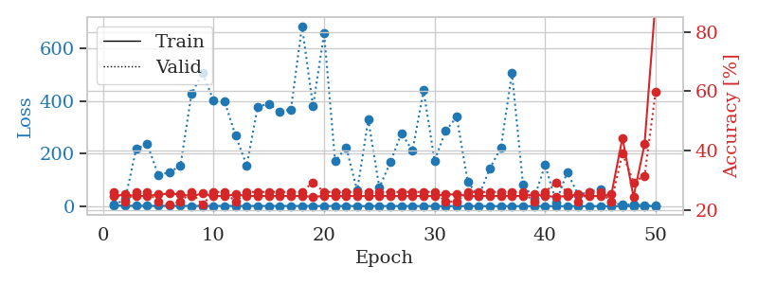
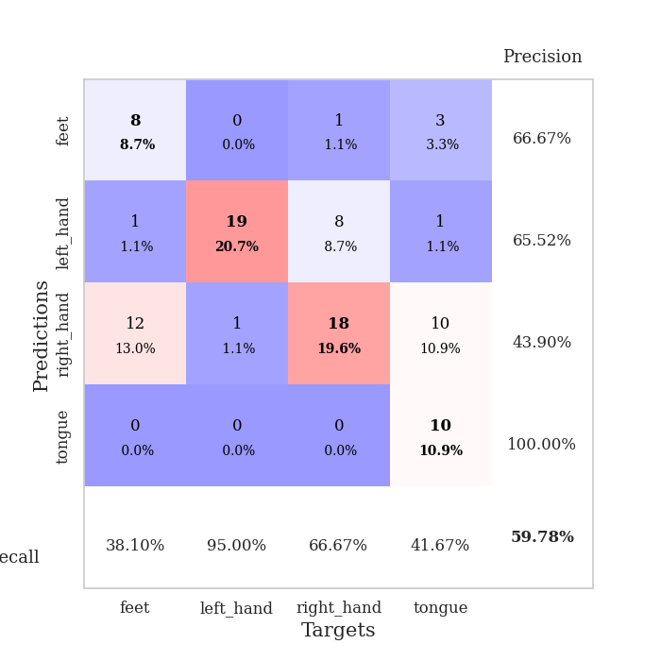
train_loss | valid_loss | train_accuracy | valid_accuracy | dur | train_misclass | valid_misclass
3.204253487 | 4.6983577894 | 0.2472826087 | 0.26086956522 | 0.10273718834 | 24.72826087 | 26.086956522
1.5085729101 | 26.395172451 | 0.2527173913 | 0.22826086957 | 0.1066827774 | 25.27173913 | 22.826086957
1.4481298846 | 217.99096746 | 0.2472826087 | 0.26086956522 | 0.10292077065 | 24.72826087 | 26.086956522
1.2815862609 | 236.00008293 | 0.2472826087 | 0.26086956522 | 0.097990512848 | 24.72826087 | 26.086956522
1.1633985742 | 118.27460778 | 0.2527173913 | 0.22826086957 | 0.1064927578 | 25.27173913 | 22.826086957
1.2334726893 | 128.84199922 | 0.25543478261 | 0.21739130435 | 0.10487556458 | 25.543478261 | 21.739130435
1.083207247 | 153.67785645 | 0.2527173913 | 0.22826086957 | 0.10499286652 | 25.27173913 | 22.826086957
0.88952839115 | 427.21593309 | 0.2472826087 | 0.26086956522 | 0.10880017281 | 24.72826087 | 26.086956522
0.89805036265 | 506.63525391 | 0.25543478261 | 0.21739130435 | 0.1141409874 | 25.543478261 | 21.739130435
0.87364735033 | 401.64891119 | 0.2472826087 | 0.26086956522 | 0.11159133911 | 24.72826087 | 26.086956522
0.99617005431 | 397.72156292 | 0.2472826087 | 0.26086956522 | 0.10605168343 | 24.72826087 | 26.086956522
0.87564644347 | 267.72927525 | 0.2527173913 | 0.22826086957 | 0.10292339325 | 25.27173913 | 22.826086957
0.86962905267 | 155.08125736 | 0.2472826087 | 0.26086956522 | 0.11449432373 | 24.72826087 | 26.086956522
0.79429537576 | 379.10194596 | 0.2472826087 | 0.26086956522 | 0.10652041435 | 24.72826087 | 26.086956522
0.76899017458 | 388.78331458 | 0.2472826087 | 0.26086956522 | 0.10459303856 | 24.72826087 | 26.086956522
0.7266031413 | 360.40081654 | 0.2472826087 | 0.26086956522 | 0.10529899597 | 24.72826087 | 26.086956522
0.74818437514 | 368.22188402 | 0.2472826087 | 0.26086956522 | 0.10986638069 | 24.72826087 | 26.086956522
0.72561800998 | 685.49966829 | 0.2472826087 | 0.26086956522 | 0.11002254486 | 24.72826087 | 26.086956522
0.70387937323 | 379.35888539 | 0.24456521739 | 0.29347826087 | 0.10855579376 | 24.456521739 | 29.347826087
0.61719954791 | 657.93468442 | 0.2472826087 | 0.26086956522 | 0.11058521271 | 24.72826087 | 26.086956522
0.58158247626 | 170.37617758 | 0.2472826087 | 0.26086956522 | 0.11280536652 | 24.72826087 | 26.086956522
0.66050418304 | 224.3545101 | 0.2472826087 | 0.26086956522 | 0.11034154892 | 24.72826087 | 26.086956522
0.47231563084 | 59.105141184 | 0.2472826087 | 0.26086956522 | 0.10406351089 | 24.72826087 | 26.086956522
0.49765037 | 329.59782343 | 0.2472826087 | 0.26086956522 | 0.1043651104 | 24.72826087 | 26.086956522
0.50512287733 | 70.659788878 | 0.2472826087 | 0.26086956522 | 0.10152411461 | 24.72826087 | 26.086956522
0.63419606116 | 167.06827048 | 0.2472826087 | 0.26086956522 | 0.10500621796 | 24.72826087 | 26.086956522
0.4501144899 | 277.82722539 | 0.2472826087 | 0.26086956522 | 0.10763859749 | 24.72826087 | 26.086956522
0.41489841271 | 210.54092009 | 0.2472826087 | 0.26086956522 | 0.10681629181 | 24.72826087 | 26.086956522
0.37070020029 | 440.63412741 | 0.2472826087 | 0.26086956522 | 0.099452495575 | 24.72826087 | 26.086956522
0.4002136418 | 173.48042828 | 0.2472826087 | 0.26086956522 | 0.10015106201 | 24.72826087 | 26.086956522
0.4363830718 | 285.77885901 | 0.2527173913 | 0.22826086957 | 0.1051928997 | 25.27173913 | 22.826086957
0.37334342107 | 339.98601631 | 0.2527173913 | 0.22826086957 | 0.10822153091 | 25.27173913 | 22.826086957
0.4040758681 | 91.987684499 | 0.2472826087 | 0.26086956522 | 0.10774159431 | 24.72826087 | 26.086956522
0.30452461508 | 38.123346412 | 0.2472826087 | 0.26086956522 | 0.10397958755 | 24.72826087 | 26.086956522
0.21013927184 | 143.63198952 | 0.2472826087 | 0.26086956522 | 0.11506724358 | 24.72826087 | 26.086956522
0.25217808232 | 222.07392087 | 0.2472826087 | 0.26086956522 | 0.10688304901 | 24.72826087 | 26.086956522
0.20635519031 | 506.79166844 | 0.2472826087 | 0.26086956522 | 0.10654377937 | 24.72826087 | 26.086956522
0.19590972842 | 83.04859095 | 0.2472826087 | 0.26086956522 | 0.10638833046 | 24.72826087 | 26.086956522
0.20528423543 | 28.529474839 | 0.2527173913 | 0.22826086957 | 0.10681390762 | 25.27173913 | 22.826086957
0.20093959189 | 156.72473443 | 0.2472826087 | 0.26086956522 | 0.10599923134 | 24.72826087 | 26.086956522
0.18486217069 | 15.307058749 | 0.24456521739 | 0.29347826087 | 0.1088912487 | 24.456521739 | 29.347826087
0.15915832345 | 129.82059379 | 0.2472826087 | 0.26086956522 | 0.1006526947 | 24.72826087 | 26.086956522
0.16001023652 | 42.981284598 | 0.2527173913 | 0.22826086957 | 0.099708080292 | 25.27173913 | 22.826086957
0.18232919089 | 54.525449504 | 0.2472826087 | 0.26086956522 | 0.10725736618 | 24.72826087 | 26.086956522
0.17003940597 | 65.033561209 | 0.2472826087 | 0.26086956522 | 0.10887265205 | 24.72826087 | 26.086956522
0.13856455384 | 12.522596442 | 0.2527173913 | 0.22826086957 | 0.11029100418 | 25.27173913 | 22.826086957
0.14271898406 | 5.6452216169 | 0.44293478261 | 0.39130434783 | 0.10476374626 | 44.293478261 | 39.130434783
0.198671658 | 7.1122553867 | 0.24456521739 | 0.29347826087 | 0.10054755211 | 24.456521739 | 29.347826087
0.16368800839 | 2.925889803 | 0.42119565217 | 0.3152173913 | 0.10141134262 | 42.119565217 | 31.52173913
0.14072736798 | 1.3289128075 | 0.90760869565 | 0.59782608696 | 0.10502648354 | 90.760869565 | 59.782608696

Best Val accuracy is 0.5978260869565217 and Best test accuracy is 0.7413793103448276

