Sheet
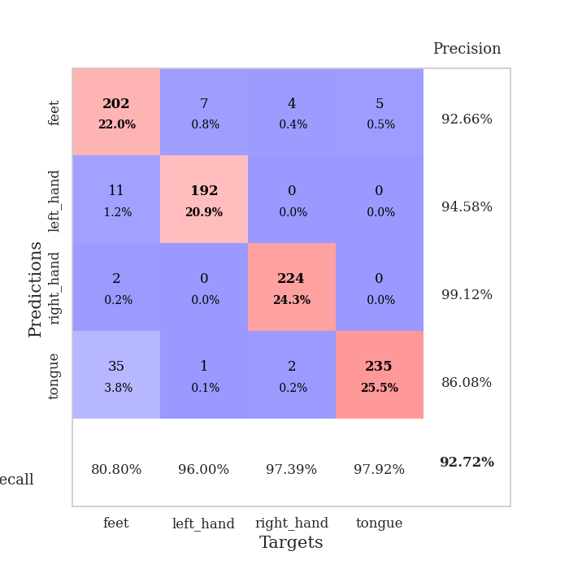

best_val_acc | best_val_los | best_test_acc
0.90217391304 | 0.23073337648 | 0.87931034483
0.95652173913 | 0.1075041712 | 0.87931034483
0.92391304348 | 0.22526644527 | 0.86206896552
0.92391304348 | 0.24207572445 | 0.87068965517
0.91304347826 | 0.23433895215 | 0.85344827586
0.95652173913 | 0.15440967679 | 0.88793103448
0.9347826087 | 0.18612900506 | 0.86206896552
0.92391304348 | 0.18332089484 | 0.89655172414
0.89130434783 | 0.32240410279 | 0.83620689655
0.94565217391 | 0.10418764761 | 0.88793103448

Mean,std Val accuracy is 0.9271739130434782 , 0.02176930273304321 and mean, std test accuracy is 0.8715517241379309 , 0.018377329833700586

Sheet1
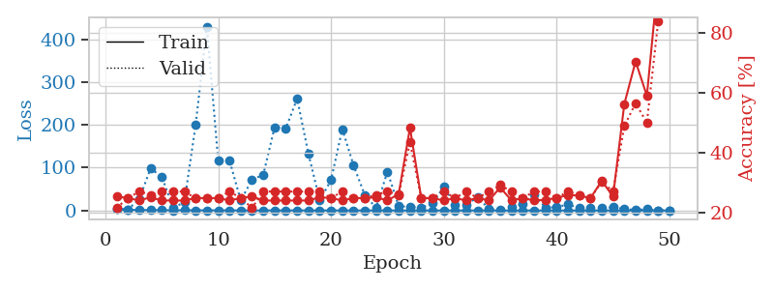
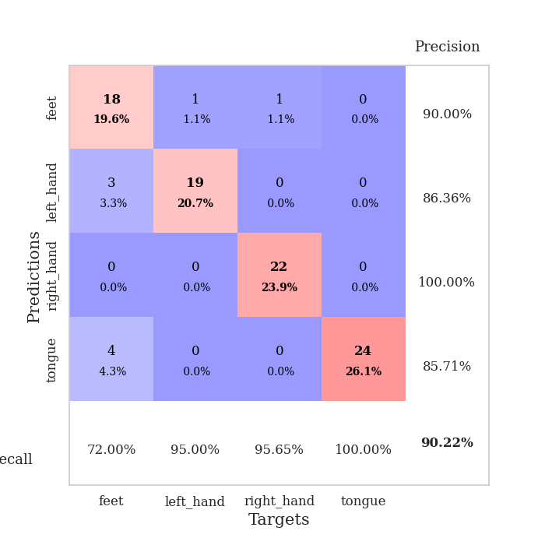
train_loss | valid_loss | train_accuracy | valid_accuracy | dur | train_misclass | valid_misclass
2.8361246093 | 4.6457369224 | 0.25543478261 | 0.21739130435 | 0.095636367798 | 25.543478261 | 21.739130435
1.5494990841 | 2.4996408898 | 0.25 | 0.25 | 0.10827589035 | 25 | 25
1.2673812988 | 26.317580762 | 0.24184782609 | 0.27173913043 | 0.10693502426 | 24.184782609 | 27.173913043
0.83534511146 | 97.673411162 | 0.2527173913 | 0.26086956522 | 0.11237597466 | 25.27173913 | 26.086956522
0.8528377945 | 79.477174676 | 0.24184782609 | 0.27173913043 | 0.10089159012 | 24.184782609 | 27.173913043
0.54685752612 | 6.5130800164 | 0.24184782609 | 0.27173913043 | 0.11118388176 | 24.184782609 | 27.173913043
0.63028658538 | 19.03666886 | 0.24184782609 | 0.27173913043 | 0.10846853256 | 24.184782609 | 27.173913043
0.44367889542 | 199.71406091 | 0.25 | 0.25 | 0.11077690125 | 25 | 25
0.40871540943 | 429.39842821 | 0.25 | 0.25 | 0.10860610008 | 25 | 25
0.37332039667 | 116.29304571 | 0.25 | 0.25 | 0.10381412506 | 25 | 25
0.38859288945 | 117.07397859 | 0.24184782609 | 0.27173913043 | 0.10016202927 | 24.184782609 | 27.173913043
0.20227073425 | 23.748128891 | 0.25 | 0.25 | 0.10514092445 | 25 | 25
0.22264584425 | 71.741669696 | 0.25543478261 | 0.21739130435 | 0.10861158371 | 25.543478261 | 21.739130435
0.13009634102 | 83.523969236 | 0.24184782609 | 0.27173913043 | 0.10679006577 | 24.184782609 | 27.173913043
0.26491900023 | 194.2992076 | 0.24184782609 | 0.27173913043 | 0.10196208954 | 24.184782609 | 27.173913043
0.20029592968 | 192.08817391 | 0.24184782609 | 0.27173913043 | 0.1131002903 | 24.184782609 | 27.173913043
0.1909700769 | 261.12655242 | 0.24184782609 | 0.27173913043 | 0.106310606 | 24.184782609 | 27.173913043
0.16229780314 | 132.32379349 | 0.24184782609 | 0.27173913043 | 0.10588788986 | 24.184782609 | 27.173913043
0.1382081786 | 23.490769096 | 0.2527173913 | 0.27173913043 | 0.10802721977 | 25.27173913 | 27.173913043
0.12663325171 | 70.681373264 | 0.25 | 0.25 | 0.10816025734 | 25 | 25
0.16609772762 | 190.13321122 | 0.24184782609 | 0.27173913043 | 0.11193919182 | 24.184782609 | 27.173913043
0.12622525685 | 105.2429793 | 0.25 | 0.25 | 0.10355496407 | 25 | 25
0.08951664226 | 35.707526 | 0.25 | 0.25 | 0.10498809814 | 25 | 25
0.1386883192 | 6.3890805452 | 0.2527173913 | 0.26086956522 | 0.10757446289 | 25.27173913 | 26.086956522
0.11710483583 | 90.660829627 | 0.24184782609 | 0.27173913043 | 0.10830974579 | 24.184782609 | 27.173913043
0.045191519666 | 10.386078897 | 0.26358695652 | 0.26086956522 | 0.11308431625 | 26.358695652 | 26.086956522
0.087268008122 | 8.1420677434 | 0.48369565217 | 0.4347826087 | 0.10326457024 | 48.369565217 | 43.47826087
0.0535906646 | 6.8069575766 | 0.25 | 0.25 | 0.10926318169 | 25 | 25
0.066411040253 | 16.402049687 | 0.25 | 0.25 | 0.10483431816 | 25 | 25
0.041031869212 | 55.363173443 | 0.24184782609 | 0.27173913043 | 0.096163749695 | 24.184782609 | 27.173913043
0.024295397806 | 11.882884316 | 0.25 | 0.25 | 0.096026420593 | 25 | 25
0.034432681951 | 12.173823315 | 0.24184782609 | 0.27173913043 | 0.098709344864 | 24.184782609 | 27.173913043
0.071190862086 | 31.71806833 | 0.25 | 0.25 | 0.096010923386 | 25 | 25
0.037601870374 | 3.3260709617 | 0.24184782609 | 0.27173913043 | 0.10767960548 | 24.184782609 | 27.173913043
0.040286591097 | 2.2888304876 | 0.28532608696 | 0.29347826087 | 0.10586309433 | 28.532608696 | 29.347826087
0.039250528521 | 7.7029994882 | 0.24184782609 | 0.27173913043 | 0.10803389549 | 24.184782609 | 27.173913043
0.017433199444 | 15.731870941 | 0.25 | 0.25 | 0.10482597351 | 25 | 25
0.024578516253 | 38.093890812 | 0.24184782609 | 0.27173913043 | 0.10225439072 | 24.184782609 | 27.173913043
0.026850129141 | 6.6045024291 | 0.24456521739 | 0.27173913043 | 0.10760426521 | 24.456521739 | 27.173913043
0.014327319096 | 7.5688395086 | 0.25 | 0.25 | 0.11188364029 | 25 | 25
0.017674248752 | 14.270857396 | 0.26086956522 | 0.27173913043 | 0.10562396049 | 26.086956522 | 27.173913043
0.019798977382 | 5.3940315454 | 0.25815217391 | 0.26086956522 | 0.11130309105 | 25.815217391 | 26.086956522
0.021412823962 | 6.8988729974 | 0.25 | 0.25 | 0.11131000519 | 25 | 25
0.03317602203 | 5.149859076 | 0.30706521739 | 0.30434782609 | 0.10643029213 | 30.706521739 | 30.434782609
0.030471899016 | 7.5836982934 | 0.25543478261 | 0.27173913043 | 0.10158896446 | 25.543478261 | 27.173913043
0.0091916387395 | 3.4581941936 | 0.5625 | 0.48913043478 | 0.10242581367 | 56.25 | 48.913043478
0.019013482132 | 1.3734951538 | 0.70380434783 | 0.5652173913 | 0.11981058121 | 70.380434783 | 56.52173913
0.024237587443 | 2.9782646428 | 0.58967391304 | 0.5 | 0.10834741592 | 58.967391304 | 50
0.014324483673 | 0.44414545142 | 0.97826086957 | 0.83695652174 | 0.10610342026 | 97.826086957 | 83.695652174
0.020115957147 | 0.23073337648 | 1 | 0.90217391304 | 0.10912823677 | 100 | 90.217391304

Best Val accuracy is 0.9021739130434783 and Best test accuracy is 0.8793103448275862

Sheet2
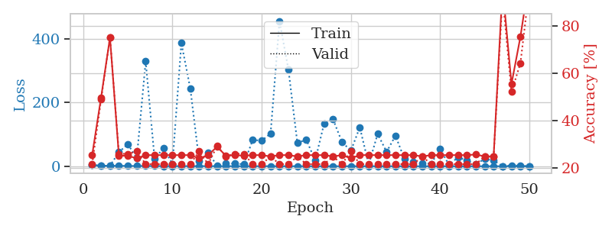
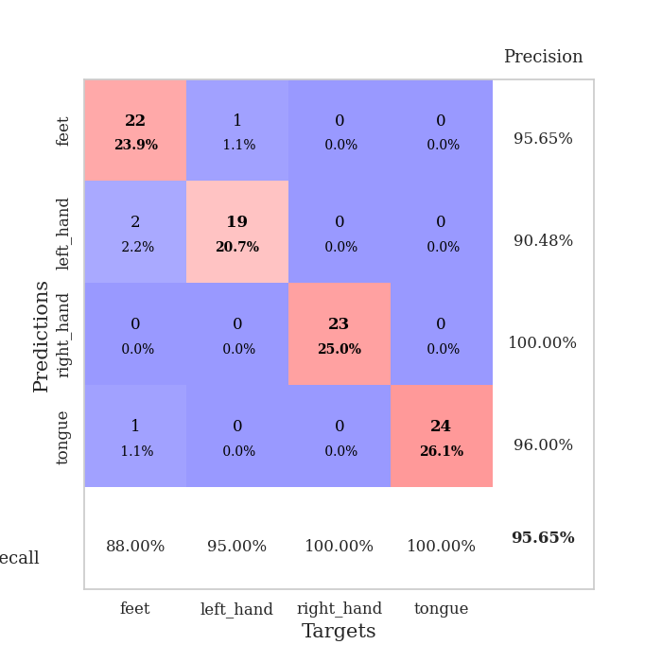
train_loss | valid_loss | train_accuracy | valid_accuracy | dur | train_misclass | valid_misclass
3.1223228444 | 4.5020524937 | 0.25543478261 | 0.21739130435 | 0.098994493484 | 25.543478261 | 21.739130435
1.4306427811 | 1.3596114231 | 0.4972826087 | 0.48913043478 | 0.10382080078 | 49.72826087 | 48.913043478
1.3533374356 | 1.4220301017 | 0.75 | 0.75 | 0.10726976395 | 75 | 75
1.2791269758 | 44.123464336 | 0.2527173913 | 0.26086956522 | 0.10623931885 | 25.27173913 | 26.086956522
0.95559141429 | 69.623970032 | 0.2527173913 | 0.26086956522 | 0.11199951172 | 25.27173913 | 26.086956522
0.68148813429 | 25.113138531 | 0.24184782609 | 0.27173913043 | 0.10844707489 | 24.184782609 | 27.173913043
0.8064414198 | 330.13355952 | 0.25543478261 | 0.21739130435 | 0.10001182556 | 25.543478261 | 21.739130435
0.69035047422 | 23.007742757 | 0.25543478261 | 0.21739130435 | 0.10366296768 | 25.543478261 | 21.739130435
0.46925325368 | 57.338328983 | 0.25543478261 | 0.21739130435 | 0.099467277527 | 25.543478261 | 21.739130435
0.40915148025 | 7.2881112721 | 0.25543478261 | 0.21739130435 | 0.10044169426 | 25.543478261 | 21.739130435
0.36633347526 | 387.49232549 | 0.25543478261 | 0.21739130435 | 0.10552477837 | 25.543478261 | 21.739130435
0.35595609701 | 244.94800999 | 0.25543478261 | 0.21739130435 | 0.11146092415 | 25.543478261 | 21.739130435
0.31370090677 | 15.916874264 | 0.24184782609 | 0.27173913043 | 0.10386776924 | 24.184782609 | 27.173913043
0.35126713291 | 41.976502294 | 0.25543478261 | 0.21739130435 | 0.11065196991 | 25.543478261 | 21.739130435
0.27399981876 | 2.2639461497 | 0.29076086957 | 0.29347826087 | 0.10166192055 | 29.076086957 | 29.347826087
0.2335234239 | 7.8353551367 | 0.2527173913 | 0.25 | 0.10664463043 | 25.27173913 | 25
0.21064532022 | 8.5676736417 | 0.25543478261 | 0.26086956522 | 0.10264968872 | 25.543478261 | 26.086956522
0.1865090923 | 6.1497918212 | 0.2527173913 | 0.26086956522 | 0.10425519943 | 25.27173913 | 26.086956522
0.19199963509 | 82.84675963 | 0.25543478261 | 0.21739130435 | 0.10359859467 | 25.543478261 | 21.739130435
0.21664103198 | 80.311184759 | 0.25543478261 | 0.21739130435 | 0.11059689522 | 25.543478261 | 21.739130435
0.17443814979 | 102.78347679 | 0.25 | 0.25 | 0.10369038582 | 25 | 25
0.12129691436 | 456.92681354 | 0.25543478261 | 0.21739130435 | 0.10802078247 | 25.543478261 | 21.739130435
0.11254121545 | 304.01377006 | 0.25543478261 | 0.21739130435 | 0.10649704933 | 25.543478261 | 21.739130435
0.14260788076 | 73.37504843 | 0.25 | 0.25 | 0.10808324814 | 25 | 25
0.088298988387 | 83.484110625 | 0.25543478261 | 0.21739130435 | 0.10371088982 | 25.543478261 | 21.739130435
0.057009924523 | 18.074788964 | 0.25543478261 | 0.21739130435 | 0.10297584534 | 25.543478261 | 21.739130435
0.094192550216 | 134.61264569 | 0.25543478261 | 0.21739130435 | 0.10085105896 | 25.543478261 | 21.739130435
0.062200409877 | 147.60405101 | 0.25 | 0.25 | 0.10030579567 | 25 | 25
0.066310720721 | 76.198905945 | 0.25543478261 | 0.21739130435 | 0.099751472473 | 25.543478261 | 21.739130435
0.041774113136 | 48.751904695 | 0.24184782609 | 0.27173913043 | 0.10262799263 | 24.184782609 | 27.173913043
0.044830414451 | 122.26829661 | 0.25543478261 | 0.21739130435 | 0.10403418541 | 25.543478261 | 21.739130435
0.030935162079 | 5.1444716039 | 0.25543478261 | 0.21739130435 | 0.10218811035 | 25.543478261 | 21.739130435
0.030087060713 | 101.78273375 | 0.25543478261 | 0.21739130435 | 0.10951471329 | 25.543478261 | 21.739130435
0.076616164256 | 45.228745834 | 0.25543478261 | 0.21739130435 | 0.1110663414 | 25.543478261 | 21.739130435
0.045611875714 | 95.994518778 | 0.25543478261 | 0.21739130435 | 0.11316609383 | 25.543478261 | 21.739130435
0.03688307354 | 22.707342562 | 0.25543478261 | 0.21739130435 | 0.10247445107 | 25.543478261 | 21.739130435
0.023547859027 | 13.835103076 | 0.25543478261 | 0.21739130435 | 0.10717201233 | 25.543478261 | 21.739130435
0.024858780696 | 9.594255862 | 0.25 | 0.25 | 0.1108891964 | 25 | 25
0.015136926053 | 7.7223413302 | 0.25543478261 | 0.21739130435 | 0.11420154572 | 25.543478261 | 21.739130435
0.017414893899 | 54.574816994 | 0.25543478261 | 0.21739130435 | 0.10858297348 | 25.543478261 | 21.739130435
0.013224888035 | 3.955979285 | 0.25543478261 | 0.21739130435 | 0.10067033768 | 25.543478261 | 21.739130435
0.018235222216 | 28.075873997 | 0.25543478261 | 0.21739130435 | 0.10757350922 | 25.543478261 | 21.739130435
0.027313977958 | 18.073294101 | 0.25543478261 | 0.21739130435 | 0.10937285423 | 25.543478261 | 21.739130435
0.015638112065 | 5.6159211242 | 0.25815217391 | 0.21739130435 | 0.107837677 | 25.815217391 | 21.739130435
0.01602891948 | 23.53428625 | 0.25 | 0.25 | 0.10349369049 | 25 | 25
0.022082630146 | 17.723008736 | 0.25 | 0.25 | 0.10319828987 | 25 | 25
0.015917998439 | 0.24876545564 | 0.96195652174 | 0.92391304348 | 0.10369610786 | 96.195652174 | 92.391304348
0.010932537984 | 2.7708856438 | 0.55434782609 | 0.52173913043 | 0.10837817192 | 55.434782609 | 52.173913043
0.014158996551 | 1.5702791318 | 0.7527173913 | 0.64130434783 | 0.10508513451 | 75.27173913 | 64.130434783
0.011510951834 | 0.1075041712 | 1 | 0.95652173913 | 0.11228489876 | 100 | 95.652173913

Best Val accuracy is 0.9565217391304348 and Best test accuracy is 0.8793103448275862

Sheet3
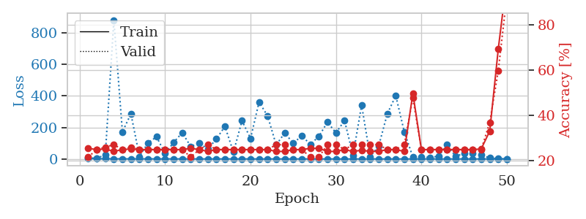
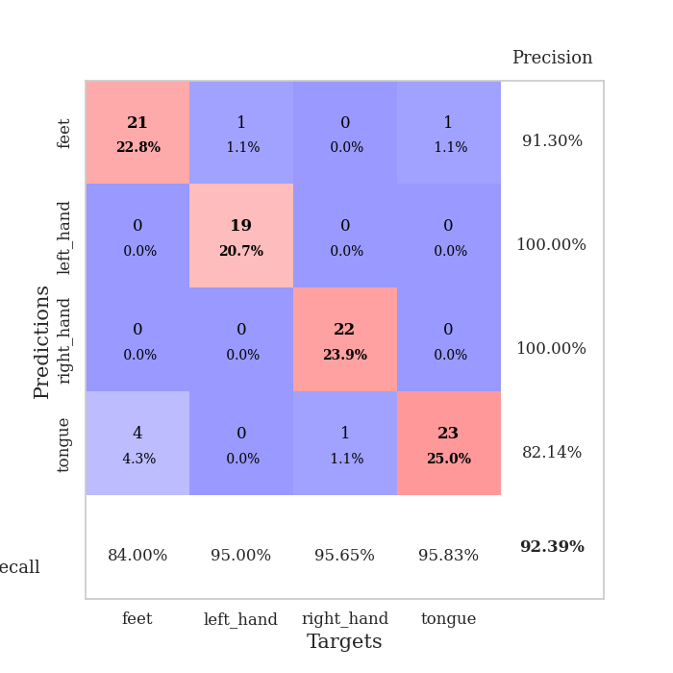
train_loss | valid_loss | train_accuracy | valid_accuracy | dur | train_misclass | valid_misclass
2.9980555876 | 7.7238554333 | 0.25543478261 | 0.21739130435 | 0.101552248 | 25.543478261 | 21.739130435
1.4563517415 | 3.5341036527 | 0.25 | 0.25 | 0.09917473793 | 25 | 25
1.1915119187 | 27.72768626 | 0.2527173913 | 0.26086956522 | 0.10813689232 | 25.27173913 | 26.086956522
0.83881528999 | 880.05143141 | 0.24184782609 | 0.27173913043 | 0.10285282135 | 24.184782609 | 27.173913043
0.60304801555 | 171.6900376 | 0.25 | 0.25 | 0.10429406166 | 25 | 25
0.58493855077 | 285.93636156 | 0.2527173913 | 0.26086956522 | 0.1162712574 | 25.27173913 | 26.086956522
0.70350190997 | 14.885723363 | 0.25 | 0.25 | 0.10863351822 | 25 | 25
0.54392718427 | 102.43095099 | 0.25 | 0.25 | 0.10278153419 | 25 | 25
0.47031994618 | 140.13749993 | 0.25 | 0.25 | 0.11348056793 | 25 | 25
0.33909871235 | 33.770996094 | 0.25 | 0.25 | 0.10883426666 | 25 | 25
0.33051755393 | 104.69503685 | 0.25 | 0.25 | 0.11306405067 | 25 | 25
0.30130744952 | 166.51251884 | 0.25 | 0.25 | 0.098059654236 | 25 | 25
0.22914402171 | 79.0521834 | 0.25543478261 | 0.21739130435 | 0.096653223038 | 25.543478261 | 21.739130435
0.24544941225 | 100.56075818 | 0.25 | 0.25 | 0.10398721695 | 25 | 25
0.20490149889 | 63.192073988 | 0.24184782609 | 0.27173913043 | 0.10487723351 | 24.184782609 | 27.173913043
0.24057538832 | 126.34650288 | 0.25 | 0.25 | 0.10884928703 | 25 | 25
0.15530026988 | 206.40905165 | 0.25 | 0.25 | 0.10090589523 | 25 | 25
0.17855325394 | 43.116994277 | 0.25 | 0.25 | 0.10464978218 | 25 | 25
0.20569453469 | 242.27044678 | 0.25 | 0.25 | 0.10912322998 | 25 | 25
0.11015099996 | 130.0959612 | 0.25 | 0.25 | 0.098026275635 | 25 | 25
0.092928509036 | 360.99750419 | 0.25 | 0.25 | 0.09800863266 | 25 | 25
0.099226013585 | 271.92801832 | 0.25 | 0.25 | 0.11001682281 | 25 | 25
0.22693975128 | 89.038705909 | 0.24184782609 | 0.27173913043 | 0.11188960075 | 24.184782609 | 27.173913043
0.14854127096 | 164.66802912 | 0.24184782609 | 0.27173913043 | 0.11113023758 | 24.184782609 | 27.173913043
0.088641726655 | 99.957868493 | 0.25 | 0.25 | 0.10091590881 | 25 | 25
0.078270447041 | 146.28429711 | 0.25 | 0.25 | 0.11016082764 | 25 | 25
0.088918072417 | 92.642889935 | 0.25543478261 | 0.21739130435 | 0.11031699181 | 25.543478261 | 21.739130435
0.058907983258 | 143.07640872 | 0.25543478261 | 0.21739130435 | 0.11133480072 | 25.543478261 | 21.739130435
0.064244562613 | 233.57481384 | 0.24184782609 | 0.27173913043 | 0.10407352448 | 24.184782609 | 27.173913043
0.065455743021 | 165.33928448 | 0.24184782609 | 0.27173913043 | 0.10284924507 | 24.184782609 | 27.173913043
0.030014301002 | 243.53070068 | 0.25 | 0.25 | 0.11164140701 | 25 | 25
0.04841868178 | 23.181706221 | 0.24184782609 | 0.27173913043 | 0.10754346848 | 24.184782609 | 27.173913043
0.035596394872 | 341.8397575 | 0.2472826087 | 0.27173913043 | 0.10147190094 | 24.72826087 | 27.173913043
0.049537509102 | 14.449975511 | 0.24184782609 | 0.27173913043 | 0.10713601112 | 24.184782609 | 27.173913043
0.038385443705 | 82.082141047 | 0.24184782609 | 0.27173913043 | 0.10947823524 | 24.184782609 | 27.173913043
0.037657073261 | 284.5985731 | 0.25 | 0.25 | 0.10130310059 | 25 | 25
0.015154531975 | 401.14085322 | 0.25 | 0.25 | 0.10487174988 | 25 | 25
0.036066004564 | 170.63091444 | 0.24184782609 | 0.27173913043 | 0.1107313633 | 24.184782609 | 27.173913043
0.01480194332 | 12.345265471 | 0.4972826087 | 0.47826086957 | 0.11428141594 | 49.72826087 | 47.826086957
0.011292193738 | 11.716930597 | 0.25 | 0.25 | 0.11199808121 | 25 | 25
0.0090249044107 | 9.5399875019 | 0.25 | 0.25 | 0.10944795609 | 25 | 25
0.019740272799 | 17.330481115 | 0.25 | 0.25 | 0.10659742355 | 25 | 25
0.015268823785 | 89.501964072 | 0.25 | 0.25 | 0.10775327682 | 25 | 25
0.013865199494 | 15.408235467 | 0.25 | 0.25 | 0.106777668 | 25 | 25
0.032191438864 | 36.918856579 | 0.25 | 0.25 | 0.10813307762 | 25 | 25
0.0096379784644 | 36.88692889 | 0.25 | 0.25 | 0.10516190529 | 25 | 25
0.017004021352 | 24.426515248 | 0.2527173913 | 0.25 | 0.10789394379 | 25.27173913 | 25
0.010203338385 | 6.017604351 | 0.33152173913 | 0.36956521739 | 0.10825037956 | 33.152173913 | 36.956521739
0.010157811829 | 2.2620208367 | 0.69293478261 | 0.59782608696 | 0.10404539108 | 69.293478261 | 59.782608696
0.0089007888812 | 0.22526644527 | 1 | 0.92391304348 | 0.10310292244 | 100 | 92.391304348

Best Val accuracy is 0.9239130434782609 and Best test accuracy is 0.8620689655172413

Sheet4
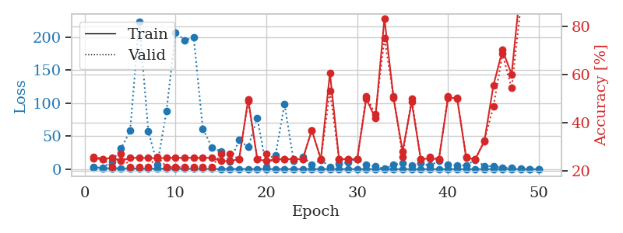
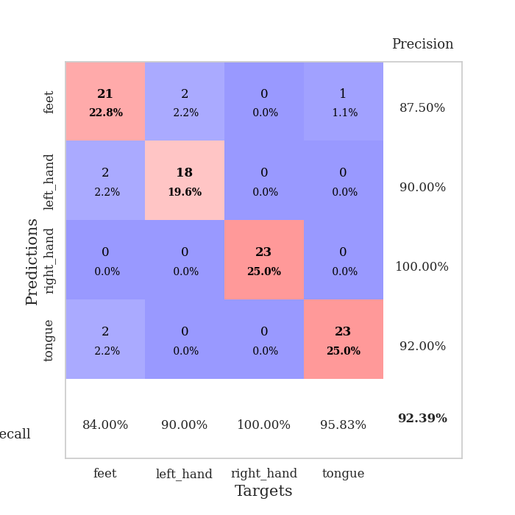
train_loss | valid_loss | train_accuracy | valid_accuracy | dur | train_misclass | valid_misclass
2.9625570359 | 1.9338845015 | 0.2527173913 | 0.26086956522 | 0.10882925987 | 25.27173913 | 26.086956522
1.3636376754 | 2.5218590083 | 0.25 | 0.25 | 0.10321927071 | 25 | 25
1.2180992287 | 11.506450156 | 0.25543478261 | 0.21739130435 | 0.1072909832 | 25.543478261 | 21.739130435
1.1584566754 | 31.087328206 | 0.24184782609 | 0.27173913043 | 0.11081361771 | 24.184782609 | 27.173913043
1.0646489366 | 58.004580954 | 0.25543478261 | 0.21739130435 | 0.10074400902 | 25.543478261 | 21.739130435
0.7329268313 | 223.63438283 | 0.25543478261 | 0.21739130435 | 0.10182476044 | 25.543478261 | 21.739130435
0.70425108334 | 57.514255358 | 0.25543478261 | 0.21739130435 | 0.10907864571 | 25.543478261 | 21.739130435
0.5647932751 | 7.046098792 | 0.2527173913 | 0.26086956522 | 0.10330581665 | 25.27173913 | 26.086956522
0.79912985019 | 88.003413656 | 0.25543478261 | 0.21739130435 | 0.10413432121 | 25.543478261 | 21.739130435
0.53635139763 | 207.07183108 | 0.25543478261 | 0.21739130435 | 0.11129522324 | 25.543478261 | 21.739130435
0.52322405188 | 195.16682301 | 0.25543478261 | 0.21739130435 | 0.10938382149 | 25.543478261 | 21.739130435
0.43004010099 | 199.18978285 | 0.25543478261 | 0.21739130435 | 0.11050057411 | 25.543478261 | 21.739130435
0.37174808347 | 61.117985435 | 0.25543478261 | 0.21739130435 | 0.10895705223 | 25.543478261 | 21.739130435
0.29530963917 | 33.06969568 | 0.25543478261 | 0.21739130435 | 0.10469269753 | 25.543478261 | 21.739130435
0.22598035455 | 26.67113669 | 0.24184782609 | 0.27173913043 | 0.10726714134 | 24.184782609 | 27.173913043
0.26475706713 | 11.185585063 | 0.24184782609 | 0.27173913043 | 0.11120676994 | 24.184782609 | 27.173913043
0.27875556943 | 43.867984274 | 0.25 | 0.25 | 0.10927033424 | 25 | 25
0.20049180269 | 33.218388599 | 0.4972826087 | 0.48913043478 | 0.11205434799 | 49.72826087 | 48.913043478
0.15220634315 | 77.774902344 | 0.25 | 0.25 | 0.10819292068 | 25 | 25
0.15191445026 | 2.6505413781 | 0.24184782609 | 0.27173913043 | 0.11420059204 | 24.184782609 | 27.173913043
0.181217114 | 20.741746654 | 0.25 | 0.25 | 0.10508537292 | 25 | 25
0.13557751153 | 98.516599904 | 0.25 | 0.25 | 0.10889101028 | 25 | 25
0.14105070131 | 12.088313766 | 0.25 | 0.25 | 0.11131024361 | 25 | 25
0.12814150425 | 19.054009479 | 0.25 | 0.25 | 0.1219894886 | 25 | 25
0.083585665035 | 6.621893862 | 0.36956521739 | 0.36956521739 | 0.11220908165 | 36.956521739 | 36.956521739
0.1110784363 | 13.549319599 | 0.25 | 0.25 | 0.10457754135 | 25 | 25
0.1071879424 | 3.7122686842 | 0.60597826087 | 0.53260869565 | 0.10288524628 | 60.597826087 | 53.260869565
0.10547913946 | 8.1158038222 | 0.25 | 0.25 | 0.11010503769 | 25 | 25
0.098857775379 | 10.789617912 | 0.25 | 0.25 | 0.10420608521 | 25 | 25
0.10044526936 | 15.521493 | 0.25 | 0.25 | 0.11814785004 | 25 | 25
0.058210591209 | 6.6484274035 | 0.5 | 0.51086956522 | 0.10981369019 | 50 | 51.086956522
0.045770258293 | 3.9735055177 | 0.41847826087 | 0.4347826087 | 0.1076169014 | 41.847826087 | 43.47826087
0.035026408869 | 0.57515533592 | 0.83152173913 | 0.75 | 0.10506772995 | 83.152173913 | 75
0.041941818703 | 6.5105361731 | 0.5027173913 | 0.51086956522 | 0.11057019234 | 50.27173913 | 51.086956522
0.031532531571 | 9.0847299825 | 0.28260869565 | 0.26086956522 | 0.1042907238 | 28.260869565 | 26.086956522
0.029001223095 | 5.500054007 | 0.48641304348 | 0.5 | 0.1022567749 | 48.641304348 | 50
0.034069083165 | 8.792944224 | 0.25 | 0.25 | 0.10173463821 | 25 | 25
0.019961880361 | 5.3574844029 | 0.2527173913 | 0.26086956522 | 0.1139729023 | 25.27173913 | 26.086956522
0.030055651884 | 12.239698286 | 0.25 | 0.25 | 0.10749340057 | 25 | 25
0.029136514524 | 6.4822737445 | 0.5027173913 | 0.51086956522 | 0.10348773003 | 50.27173913 | 51.086956522
0.017278524622 | 5.7198564903 | 0.5027173913 | 0.5 | 0.10108494759 | 50.27173913 | 50
0.022919917054 | 5.4867670018 | 0.25543478261 | 0.26086956522 | 0.1008336544 | 25.543478261 | 26.086956522
0.015354942746 | 14.352898183 | 0.25 | 0.25 | 0.10507535934 | 25 | 25
0.021176539526 | 4.7063731111 | 0.32336956522 | 0.32608695652 | 0.11025452614 | 32.336956522 | 32.608695652
0.012678293258 | 4.2231468325 | 0.55434782609 | 0.46739130435 | 0.10471630096 | 55.434782609 | 46.739130435
0.012400246235 | 2.1825287135 | 0.70108695652 | 0.6847826087 | 0.11235570908 | 70.108695652 | 68.47826087
0.019471046607 | 2.3322175845 | 0.60054347826 | 0.54347826087 | 0.10690569878 | 60.054347826 | 54.347826087
0.029028024284 | 0.32451297148 | 0.96739130435 | 0.88043478261 | 0.11028957367 | 96.739130435 | 88.043478261
0.017524976006 | 0.24207572445 | 1 | 0.92391304348 | 0.10393595695 | 100 | 92.391304348
0.025838360247 | 0.28132856216 | 1 | 0.90217391304 | 0.10728859901 | 100 | 90.217391304

Best Val accuracy is 0.9239130434782609 and Best test accuracy is 0.8706896551724138

Sheet5
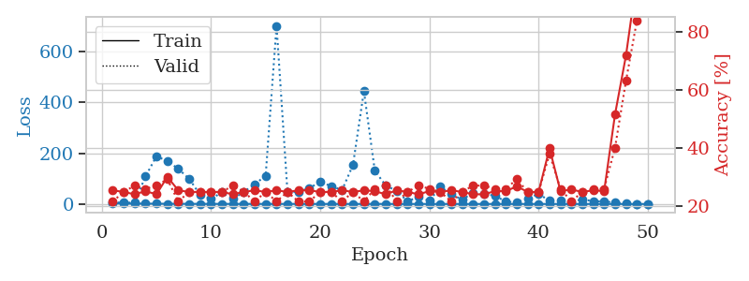

train_loss | valid_loss | train_accuracy | valid_accuracy | dur | train_misclass | valid_misclass
3.2315348698 | 6.5461376232 | 0.25543478261 | 0.21739130435 | 0.10755252838 | 25.543478261 | 21.739130435
1.4058912785 | 4.8862059013 | 0.25 | 0.25 | 0.10445189476 | 25 | 25
1.551136574 | 5.3350118761 | 0.24184782609 | 0.27173913043 | 0.11120986938 | 24.184782609 | 27.173913043
1.2539140582 | 109.01484116 | 0.2527173913 | 0.26086956522 | 0.10772514343 | 25.27173913 | 26.086956522
1.045542774 | 187.84039041 | 0.24184782609 | 0.27173913043 | 0.10200357437 | 24.184782609 | 27.173913043
0.75043095324 | 169.4698347 | 0.30163043478 | 0.29347826087 | 0.11214494705 | 30.163043478 | 29.347826087
0.74613147197 | 138.17548934 | 0.25543478261 | 0.21739130435 | 0.10440087318 | 25.543478261 | 21.739130435
0.48307270265 | 99.287626515 | 0.25 | 0.25 | 0.10528516769 | 25 | 25
0.39345149663 | 35.65992571 | 0.25 | 0.25 | 0.1040968895 | 25 | 25
0.32788018186 | 20.640404328 | 0.25 | 0.25 | 0.10447263718 | 25 | 25
0.33849582206 | 45.334354235 | 0.25 | 0.25 | 0.10503935814 | 25 | 25
0.26092215393 | 19.460478327 | 0.24184782609 | 0.27173913043 | 0.11192464828 | 24.184782609 | 27.173913043
0.35231800576 | 47.528259609 | 0.25 | 0.25 | 0.11132478714 | 25 | 25
0.18322908951 | 77.649553382 | 0.25543478261 | 0.21739130435 | 0.10584378242 | 25.543478261 | 21.739130435
0.22139550869 | 111.34761412 | 0.25 | 0.25 | 0.10799741745 | 25 | 25
0.23979046532 | 702.73137366 | 0.25543478261 | 0.21739130435 | 0.10225081444 | 25.543478261 | 21.739130435
0.21277666393 | 47.166870283 | 0.25 | 0.25 | 0.10331749916 | 25 | 25
0.19288386787 | 48.381384974 | 0.25543478261 | 0.21739130435 | 0.099678993225 | 25.543478261 | 21.739130435
0.2245571508 | 62.029534713 | 0.25543478261 | 0.21739130435 | 0.099152088165 | 25.543478261 | 21.739130435
0.13571748482 | 87.50183603 | 0.25 | 0.25 | 0.10900974274 | 25 | 25
0.1023764591 | 70.009166883 | 0.25 | 0.25 | 0.10951471329 | 25 | 25
0.11264091438 | 54.944428485 | 0.25543478261 | 0.21739130435 | 0.1082649231 | 25.543478261 | 21.739130435
0.067191508452 | 153.85554106 | 0.25 | 0.25 | 0.10162758827 | 25 | 25
0.1369151275 | 445.1106647 | 0.25543478261 | 0.21739130435 | 0.10636734962 | 25.543478261 | 21.739130435
0.22426653631 | 130.28982511 | 0.2527173913 | 0.26086956522 | 0.1053404808 | 25.27173913 | 26.086956522
0.1008468542 | 73.208283134 | 0.24184782609 | 0.27173913043 | 0.1064453125 | 24.184782609 | 27.173913043
0.057153021932 | 50.99300086 | 0.25543478261 | 0.21739130435 | 0.10824966431 | 25.543478261 | 21.739130435
0.046939539946 | 10.652204638 | 0.25 | 0.25 | 0.11019706726 | 25 | 25
0.023079179536 | 27.841484153 | 0.24184782609 | 0.27173913043 | 0.10016512871 | 24.184782609 | 27.173913043
0.032588434396 | 12.516831315 | 0.2527173913 | 0.26086956522 | 0.10983753204 | 25.27173913 | 26.086956522
0.050351184104 | 67.797687862 | 0.25 | 0.25 | 0.10648918152 | 25 | 25
0.038301707347 | 39.131218454 | 0.25543478261 | 0.21739130435 | 0.10455298424 | 25.543478261 | 21.739130435
0.043185453503 | 16.736030081 | 0.25 | 0.25 | 0.10502028465 | 25 | 25
0.033885191519 | 45.000196374 | 0.24184782609 | 0.27173913043 | 0.10711145401 | 24.184782609 | 27.173913043
0.030563641102 | 39.468908227 | 0.24184782609 | 0.27173913043 | 0.10426068306 | 24.184782609 | 27.173913043
0.025148286289 | 32.64803223 | 0.2527173913 | 0.26086956522 | 0.10704779625 | 25.27173913 | 26.086956522
0.028839484608 | 9.0751198478 | 0.2527173913 | 0.26086956522 | 0.10956096649 | 25.27173913 | 26.086956522
0.021133730406 | 6.159091058 | 0.26902173913 | 0.29347826087 | 0.11151909828 | 26.902173913 | 29.347826087
0.015832344422 | 21.733230342 | 0.25 | 0.25 | 0.11550354958 | 25 | 25
0.034569805581 | 39.614582476 | 0.25 | 0.25 | 0.11500048637 | 25 | 25
0.014193045482 | 12.374740808 | 0.39945652174 | 0.38043478261 | 0.10685610771 | 39.945652174 | 38.043478261
0.015896130738 | 12.453616101 | 0.2527173913 | 0.26086956522 | 0.11059880257 | 25.27173913 | 26.086956522
0.012575341709 | 6.7269682677 | 0.25815217391 | 0.21739130435 | 0.10780882835 | 25.815217391 | 21.739130435
0.010956010583 | 19.187330909 | 0.25 | 0.25 | 0.10345768929 | 25 | 25
0.015145110083 | 10.011864413 | 0.25543478261 | 0.26086956522 | 0.11602973938 | 25.543478261 | 26.086956522
0.014481310065 | 10.363308989 | 0.2527173913 | 0.26086956522 | 0.10481214523 | 25.27173913 | 26.086956522
0.020986876977 | 5.0292588317 | 0.51630434783 | 0.40217391304 | 0.10740852356 | 51.630434783 | 40.217391304
0.0088783758373 | 2.3205920302 | 0.71739130435 | 0.63043478261 | 0.10532617569 | 71.739130435 | 63.043478261
0.012522904586 | 0.4325341375 | 0.98369565217 | 0.83695652174 | 0.11334204674 | 98.369565217 | 83.695652174
0.0077730459528 | 0.23433895215 | 1 | 0.91304347826 | 0.11437988281 | 100 | 91.304347826

Best Val accuracy is 0.9130434782608695 and Best test accuracy is 0.853448275862069

Sheet6
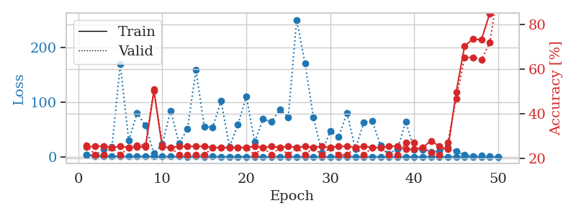
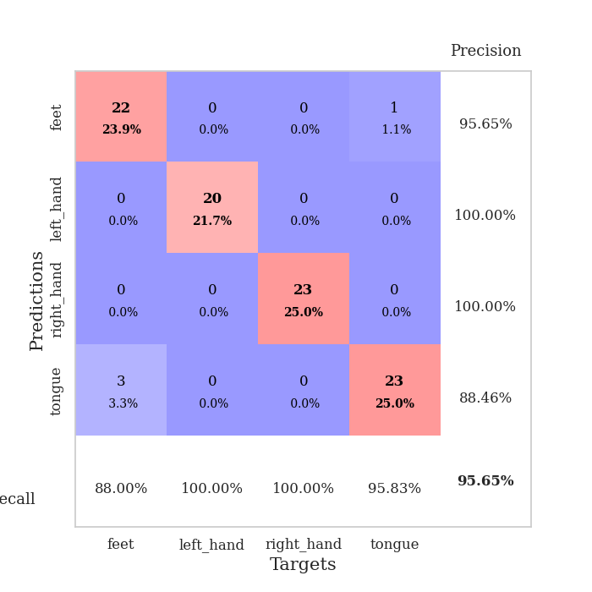
train_loss | valid_loss | train_accuracy | valid_accuracy | dur | train_misclass | valid_misclass
3.0578550256 | 3.6736414225 | 0.2527173913 | 0.26086956522 | 0.10572552681 | 25.27173913 | 26.086956522
1.387473534 | 2.7611779441 | 0.25543478261 | 0.21739130435 | 0.10453915596 | 25.543478261 | 21.739130435
1.1867507282 | 13.96251297 | 0.25543478261 | 0.21739130435 | 0.1018269062 | 25.543478261 | 21.739130435
1.1026229858 | 18.101591566 | 0.25 | 0.25 | 0.098682641983 | 25 | 25
0.752179484 | 169.52328889 | 0.25543478261 | 0.21739130435 | 0.10258603096 | 25.543478261 | 21.739130435
0.59261572037 | 30.118223356 | 0.25 | 0.25 | 0.095845937729 | 25 | 25
0.62609162279 | 80.128399393 | 0.2527173913 | 0.26086956522 | 0.095824718475 | 25.27173913 | 26.086956522
0.53311405817 | 57.319083006 | 0.2527173913 | 0.26086956522 | 0.095740795135 | 25.27173913 | 26.086956522
0.5940849807 | 6.0496787403 | 0.5027173913 | 0.51086956522 | 0.10570263863 | 50.27173913 | 51.086956522
0.41176313939 | 23.709384006 | 0.2527173913 | 0.26086956522 | 0.10774564743 | 25.27173913 | 26.086956522
0.46898276424 | 84.509268388 | 0.25 | 0.25 | 0.10955381393 | 25 | 25
0.50502139589 | 24.554645372 | 0.25543478261 | 0.21739130435 | 0.10414028168 | 25.543478261 | 21.739130435
0.27063787469 | 51.174385237 | 0.25543478261 | 0.21739130435 | 0.10740756989 | 25.543478261 | 21.739130435
0.41942264075 | 158.96061707 | 0.25543478261 | 0.21739130435 | 0.10357713699 | 25.543478261 | 21.739130435
0.29568592524 | 55.746351325 | 0.25543478261 | 0.21739130435 | 0.10641384125 | 25.543478261 | 21.739130435
0.37366351842 | 53.92176172 | 0.25 | 0.25 | 0.10023379326 | 25 | 25
0.18973999762 | 102.43073041 | 0.25 | 0.25 | 0.1064658165 | 25 | 25
0.19983724719 | 18.528449307 | 0.25 | 0.25 | 0.11234593391 | 25 | 25
0.22144885879 | 58.566894697 | 0.25 | 0.25 | 0.10354614258 | 25 | 25
0.12179257232 | 110.94190282 | 0.25 | 0.25 | 0.11209273338 | 25 | 25
0.15456416189 | 27.48075253 | 0.25543478261 | 0.21739130435 | 0.10940814018 | 25.543478261 | 21.739130435
0.11317998284 | 69.025951883 | 0.25 | 0.25 | 0.10870862007 | 25 | 25
0.1601766667 | 63.911644314 | 0.25543478261 | 0.21739130435 | 0.11033535004 | 25.543478261 | 21.739130435
0.104327067 | 86.824766076 | 0.25 | 0.25 | 0.10704946518 | 25 | 25
0.086241428376 | 72.641338514 | 0.25543478261 | 0.21739130435 | 0.1085486412 | 25.543478261 | 21.739130435
0.12337165577 | 251.13665838 | 0.25 | 0.25 | 0.10505223274 | 25 | 25
0.13702898748 | 171.02820222 | 0.25543478261 | 0.21739130435 | 0.11450409889 | 25.543478261 | 21.739130435
0.075895666125 | 71.62975643 | 0.25 | 0.25 | 0.11711907387 | 25 | 25
0.051727856773 | 8.1552824352 | 0.25543478261 | 0.21739130435 | 0.10930943489 | 25.543478261 | 21.739130435
0.038635164104 | 46.637651029 | 0.25 | 0.25 | 0.10413265228 | 25 | 25
0.037575187949 | 36.961345673 | 0.25543478261 | 0.21739130435 | 0.10119152069 | 25.543478261 | 21.739130435
0.038501884935 | 80.256996486 | 0.25543478261 | 0.21739130435 | 0.10910844803 | 25.543478261 | 21.739130435
0.073894816808 | 13.981549843 | 0.25 | 0.25 | 0.10698080063 | 25 | 25
0.042263064194 | 63.598781752 | 0.25543478261 | 0.21739130435 | 0.11032915115 | 25.543478261 | 21.739130435
0.039457630216 | 65.612761124 | 0.25 | 0.25 | 0.10695815086 | 25 | 25
0.0589567245 | 20.154287836 | 0.25 | 0.25 | 0.10911750793 | 25 | 25
0.019966746893 | 5.5270896787 | 0.25543478261 | 0.21739130435 | 0.10529541969 | 25.543478261 | 21.739130435
0.025190947775 | 14.402303944 | 0.25543478261 | 0.21739130435 | 0.10562252998 | 25.543478261 | 21.739130435
0.021520895185 | 63.9179107 | 0.24184782609 | 0.27173913043 | 0.10860610008 | 24.184782609 | 27.173913043
0.029418397991 | 13.237875814 | 0.24184782609 | 0.27173913043 | 0.10660433769 | 24.184782609 | 27.173913043
0.025922083974 | 13.484977225 | 0.25 | 0.25 | 0.10792899132 | 25 | 25
0.015698949994 | 9.4584161095 | 0.27989130435 | 0.22826086957 | 0.1122841835 | 27.989130435 | 22.826086957
0.021658284018 | 10.26205747 | 0.25543478261 | 0.21739130435 | 0.10372161865 | 25.543478261 | 21.739130435
0.018244280834 | 16.387794992 | 0.24184782609 | 0.27173913043 | 0.11057972908 | 24.184782609 | 27.173913043
0.016061264137 | 9.8140765895 | 0.4972826087 | 0.46739130435 | 0.11131286621 | 49.72826087 | 46.739130435
0.021106688184 | 3.4146219958 | 0.70380434783 | 0.65217391304 | 0.11032652855 | 70.380434783 | 65.217391304
0.01499761888 | 1.4383103744 | 0.73369565217 | 0.65217391304 | 0.10104346275 | 73.369565217 | 65.217391304
0.018052195234 | 2.1474447354 | 0.73097826087 | 0.64130434783 | 0.11182689667 | 73.097826087 | 64.130434783
0.018664372403 | 0.83577839706 | 0.84782608696 | 0.71739130435 | 0.11052751541 | 84.782608696 | 71.739130435
0.022033338172 | 0.15440967679 | 1 | 0.95652173913 | 0.10847663879 | 100 | 95.652173913

Best Val accuracy is 0.9565217391304348 and Best test accuracy is 0.8879310344827587

Sheet7
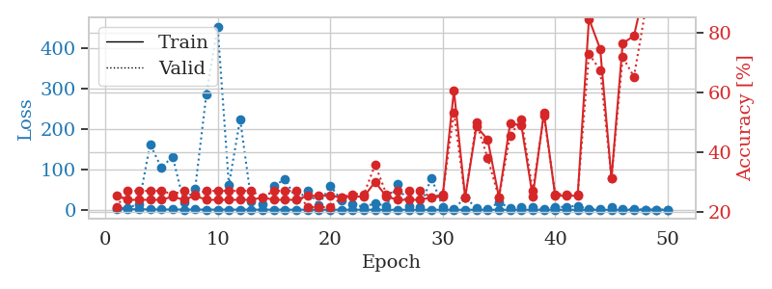
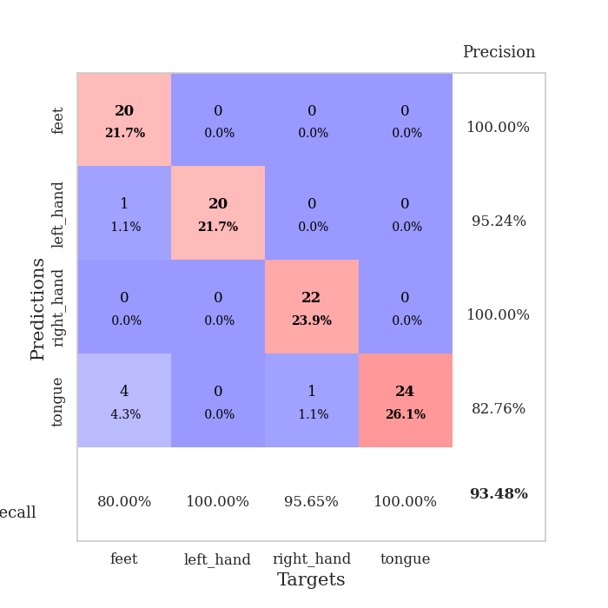
train_loss | valid_loss | train_accuracy | valid_accuracy | dur | train_misclass | valid_misclass
2.7706699941 | 4.2676775352 | 0.25543478261 | 0.21739130435 | 0.11144256592 | 25.543478261 | 21.739130435
1.2910728532 | 4.4546691438 | 0.24184782609 | 0.27173913043 | 0.10340929031 | 24.184782609 | 27.173913043
1.1917228828 | 14.66809422 | 0.24184782609 | 0.27173913043 | 0.10376286507 | 24.184782609 | 27.173913043
0.96608871222 | 162.18291838 | 0.24184782609 | 0.27173913043 | 0.1016960144 | 24.184782609 | 27.173913043
0.75406971574 | 104.49909144 | 0.24184782609 | 0.27173913043 | 0.10692191124 | 24.184782609 | 27.173913043
0.68649685124 | 131.79566425 | 0.2527173913 | 0.26086956522 | 0.10306310654 | 25.27173913 | 26.086956522
0.5741869736 | 19.044277108 | 0.24184782609 | 0.27173913043 | 0.11148548126 | 24.184782609 | 27.173913043
0.60328201367 | 51.186683986 | 0.25543478261 | 0.26086956522 | 0.1058280468 | 25.543478261 | 26.086956522
0.49541063007 | 286.79058838 | 0.24184782609 | 0.27173913043 | 0.10720944405 | 24.184782609 | 27.173913043
0.46385188336 | 454.26704075 | 0.24184782609 | 0.27173913043 | 0.1070125103 | 24.184782609 | 27.173913043
0.37419823428 | 61.334869053 | 0.24184782609 | 0.27173913043 | 0.10296940804 | 24.184782609 | 27.173913043
0.41711881757 | 224.62410836 | 0.24184782609 | 0.27173913043 | 0.10775494576 | 24.184782609 | 27.173913043
0.44714823138 | 20.175059028 | 0.24184782609 | 0.27173913043 | 0.10967516899 | 24.184782609 | 27.173913043
0.25465338135 | 12.824151454 | 0.25 | 0.25 | 0.10396409035 | 25 | 25
0.39068643927 | 58.705289758 | 0.24184782609 | 0.27173913043 | 0.10189962387 | 24.184782609 | 27.173913043
0.28043964197 | 76.457907304 | 0.24184782609 | 0.27173913043 | 0.108263731 | 24.184782609 | 27.173913043
0.1758404098 | 25.228476732 | 0.24184782609 | 0.27173913043 | 0.10685920715 | 24.184782609 | 27.173913043
0.21703407756 | 46.929339036 | 0.25543478261 | 0.21739130435 | 0.10405397415 | 25.543478261 | 21.739130435
0.11991980202 | 12.076350046 | 0.25543478261 | 0.21739130435 | 0.10445380211 | 25.543478261 | 21.739130435
0.11987371328 | 59.974075981 | 0.25543478261 | 0.21739130435 | 0.10282254219 | 25.543478261 | 21.739130435
0.14418241402 | 23.605619348 | 0.25 | 0.25 | 0.10683012009 | 25 | 25
0.17707679601 | 12.612107857 | 0.2527173913 | 0.26086956522 | 0.1032307148 | 25.27173913 | 26.086956522
0.1302030324 | 7.2770637015 | 0.2527173913 | 0.26086956522 | 0.1019179821 | 25.27173913 | 26.086956522
0.16852519302 | 15.803588245 | 0.30163043478 | 0.35869565217 | 0.10242891312 | 30.163043478 | 35.869565217
0.063829603532 | 9.4561181276 | 0.2527173913 | 0.26086956522 | 0.11428618431 | 25.27173913 | 26.086956522
0.074619280681 | 64.723760854 | 0.24184782609 | 0.27173913043 | 0.1077401638 | 24.184782609 | 27.173913043
0.070983523867 | 9.3947285777 | 0.24184782609 | 0.27173913043 | 0.10510420799 | 24.184782609 | 27.173913043
0.084967222611 | 6.9112217737 | 0.24184782609 | 0.27173913043 | 0.1062912941 | 24.184782609 | 27.173913043
0.060132648492 | 78.932190273 | 0.25 | 0.25 | 0.10250401497 | 25 | 25
0.040970006836 | 7.4197176021 | 0.2527173913 | 0.26086956522 | 0.10466957092 | 25.27173913 | 26.086956522
0.059730969223 | 1.8207844029 | 0.60597826087 | 0.53260869565 | 0.1019308567 | 60.597826087 | 53.260869565
0.050155541784 | 30.342569683 | 0.25 | 0.25 | 0.10122132301 | 25 | 25
0.019948186654 | 4.5386868974 | 0.48641304348 | 0.5 | 0.10705208778 | 48.641304348 | 50
0.0146192154 | 2.2836306613 | 0.44293478261 | 0.38043478261 | 0.10861492157 | 44.293478261 | 38.043478261
0.035186333035 | 17.568919721 | 0.25 | 0.25 | 0.11168384552 | 25 | 25
0.020733058055 | 4.7651660131 | 0.4972826087 | 0.45652173913 | 0.10692024231 | 49.72826087 | 45.652173913
0.01681872148 | 6.4658713963 | 0.48913043478 | 0.51086956522 | 0.10851430893 | 48.913043478 | 51.086956522
0.015026542057 | 6.7626102489 | 0.2527173913 | 0.27173913043 | 0.11306929588 | 25.27173913 | 27.173913043
0.024582077881 | 1.299638432 | 0.53260869565 | 0.52173913043 | 0.10421681404 | 53.260869565 | 52.173913043
0.028553282285 | 6.600080656 | 0.25543478261 | 0.26086956522 | 0.10889577866 | 25.543478261 | 26.086956522
0.01490827073 | 7.592605342 | 0.25543478261 | 0.26086956522 | 0.11042165756 | 25.543478261 | 26.086956522
0.0092118446014 | 9.8171579527 | 0.25543478261 | 0.26086956522 | 0.10249614716 | 25.543478261 | 26.086956522
0.018547067722 | 0.72339482152 | 0.84510869565 | 0.72826086957 | 0.10697698593 | 84.510869565 | 72.826086957
0.018517438806 | 2.0290274931 | 0.74456521739 | 0.67391304348 | 0.10372567177 | 74.456521739 | 67.391304348
0.012671327859 | 7.043378519 | 0.3125 | 0.3152173913 | 0.10900402069 | 31.25 | 31.52173913
0.013050702507 | 1.3959266206 | 0.76358695652 | 0.71739130435 | 0.10436224937 | 76.358695652 | 71.739130435
0.0096898376031 | 1.0790409783 | 0.78804347826 | 0.65217391304 | 0.10750627518 | 78.804347826 | 65.217391304
0.018006882827 | 0.46900539813 | 0.95380434783 | 0.86956521739 | 0.10555362701 | 95.380434783 | 86.956521739
0.017664044927 | 0.29057867631 | 0.9972826087 | 0.91304347826 | 0.10546779633 | 99.72826087 | 91.304347826
0.016402921763 | 0.18612900506 | 1 | 0.9347826087 | 0.10901975632 | 100 | 93.47826087

Best Val accuracy is 0.9347826086956522 and Best test accuracy is 0.8620689655172413

Sheet8
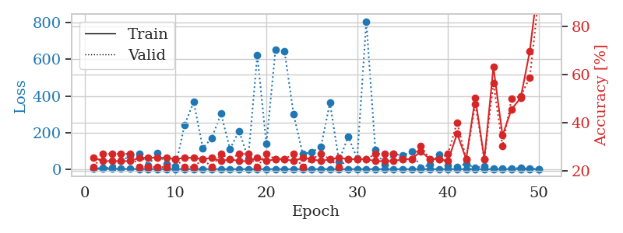
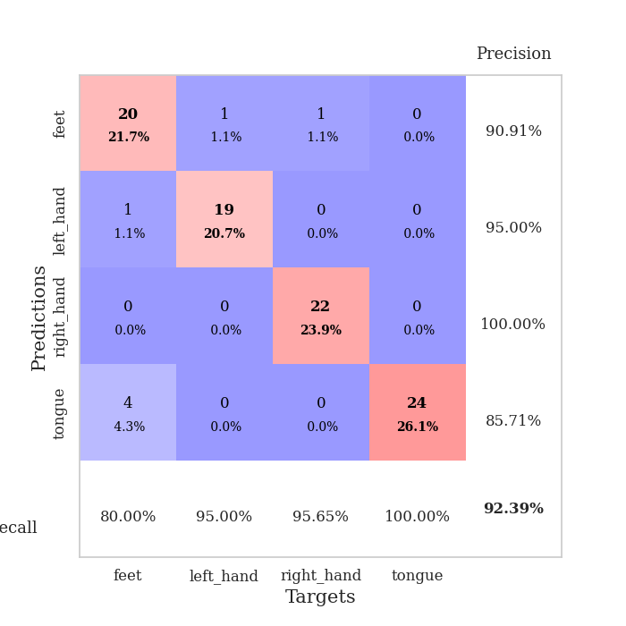
train_loss | valid_loss | train_accuracy | valid_accuracy | dur | train_misclass | valid_misclass
2.5265931928 | 3.249698131 | 0.25543478261 | 0.21739130435 | 0.10353040695 | 25.543478261 | 21.739130435
1.5347903034 | 6.6791275066 | 0.24184782609 | 0.27173913043 | 0.11675739288 | 24.184782609 | 27.173913043
1.2168157593 | 7.2147572559 | 0.24184782609 | 0.27173913043 | 0.10410237312 | 24.184782609 | 27.173913043
1.1842391724 | 46.336195407 | 0.24184782609 | 0.27173913043 | 0.1076104641 | 24.184782609 | 27.173913043
1.0457964073 | 70.617727197 | 0.24184782609 | 0.27173913043 | 0.11033678055 | 24.184782609 | 27.173913043
0.75848652617 | 85.8136872 | 0.25543478261 | 0.21739130435 | 0.10943841934 | 25.543478261 | 21.739130435
0.707922228 | 21.938906379 | 0.25543478261 | 0.21739130435 | 0.10950446129 | 25.543478261 | 21.739130435
0.47785283431 | 87.218110126 | 0.25543478261 | 0.21739130435 | 0.10320568085 | 25.543478261 | 21.739130435
0.59404937146 | 27.902405117 | 0.25543478261 | 0.21739130435 | 0.10690808296 | 25.543478261 | 21.739130435
0.49963401598 | 16.786242029 | 0.25 | 0.25 | 0.10489344597 | 25 | 25
0.44594487289 | 242.44037131 | 0.25543478261 | 0.21739130435 | 0.11167955399 | 25.543478261 | 21.739130435
0.42403387165 | 367.60630334 | 0.25543478261 | 0.21739130435 | 0.10067844391 | 25.543478261 | 21.739130435
0.30668624223 | 115.3446642 | 0.25 | 0.25 | 0.1082212925 | 25 | 25
0.26718960702 | 170.15085768 | 0.25543478261 | 0.21739130435 | 0.10918831825 | 25.543478261 | 21.739130435
0.28669526477 | 303.02609784 | 0.24184782609 | 0.27173913043 | 0.10172963142 | 24.184782609 | 27.173913043
0.30131059213 | 111.02000991 | 0.25 | 0.25 | 0.10834884644 | 25 | 25
0.16886599702 | 208.13197459 | 0.24184782609 | 0.27173913043 | 0.10564470291 | 24.184782609 | 27.173913043
0.089004339822 | 57.951738109 | 0.24184782609 | 0.27173913043 | 0.10048365593 | 24.184782609 | 27.173913043
0.1638872865 | 623.46408479 | 0.25543478261 | 0.21739130435 | 0.10680437088 | 25.543478261 | 21.739130435
0.21714005585 | 137.39110267 | 0.24184782609 | 0.27173913043 | 0.11126995087 | 24.184782609 | 27.173913043
0.12759327224 | 652.48796015 | 0.25 | 0.25 | 0.11164855957 | 25 | 25
0.14443787653 | 644.31169593 | 0.25 | 0.25 | 0.10527920723 | 25 | 25
0.092395987949 | 300.67796127 | 0.24184782609 | 0.27173913043 | 0.110445261 | 24.184782609 | 27.173913043
0.10004702688 | 82.168101767 | 0.25543478261 | 0.21739130435 | 0.10882925987 | 25.543478261 | 21.739130435
0.14386519446 | 93.426664933 | 0.25 | 0.25 | 0.10714030266 | 25 | 25
0.099618769889 | 121.39228953 | 0.24184782609 | 0.27173913043 | 0.10315346718 | 24.184782609 | 27.173913043
0.13837682964 | 362.91192627 | 0.25 | 0.25 | 0.10557055473 | 25 | 25
0.077556283821 | 42.856142127 | 0.25543478261 | 0.21739130435 | 0.1007142067 | 25.543478261 | 21.739130435
0.07971331791 | 178.94741224 | 0.25 | 0.25 | 0.10287356377 | 25 | 25
0.055682012771 | 58.129593559 | 0.25 | 0.25 | 0.10628795624 | 25 | 25
0.060762427297 | 808.07798701 | 0.25 | 0.25 | 0.10526561737 | 25 | 25
0.04397778498 | 106.05015763 | 0.24184782609 | 0.27173913043 | 0.11523222923 | 24.184782609 | 27.173913043
0.043462762381 | 24.403387899 | 0.24184782609 | 0.27173913043 | 0.10676288605 | 24.184782609 | 27.173913043
0.04215261206 | 82.802358544 | 0.24184782609 | 0.27173913043 | 0.11458396912 | 24.184782609 | 27.173913043
0.054641545841 | 74.940087028 | 0.25 | 0.25 | 0.11027765274 | 25 | 25
0.027540167662 | 95.439255424 | 0.25 | 0.25 | 0.10851120949 | 25 | 25
0.015693268941 | 8.83058577 | 0.28260869565 | 0.30434782609 | 0.10638618469 | 28.260869565 | 30.434782609
0.017292159034 | 22.841942663 | 0.25 | 0.25 | 0.1020359993 | 25 | 25
0.021402415251 | 81.159992716 | 0.25 | 0.25 | 0.10398769379 | 25 | 25
0.013412188868 | 21.565234226 | 0.24184782609 | 0.27173913043 | 0.10791516304 | 24.184782609 | 27.173913043
0.020195151016 | 13.332297532 | 0.35597826087 | 0.40217391304 | 0.11123323441 | 35.597826087 | 40.217391304
0.021422715548 | 29.336799953 | 0.25 | 0.25 | 0.11125326157 | 25 | 25
0.024784178802 | 6.6286582532 | 0.5027173913 | 0.47826086957 | 0.107183218 | 50.27173913 | 47.826086957
0.021341883033 | 17.281542861 | 0.25 | 0.25 | 0.10792350769 | 25 | 25
0.021138223277 | 1.1091492539 | 0.63043478261 | 0.5652173913 | 0.10641860962 | 63.043478261 | 56.52173913
0.014903774012 | 3.6711119154 | 0.34782608696 | 0.30434782609 | 0.11458587646 | 34.782608696 | 30.434782609
0.017453805323 | 5.2118066912 | 0.45652173913 | 0.5 | 0.10725951195 | 45.652173913 | 50
0.018532295537 | 5.7954086635 | 0.5027173913 | 0.51086956522 | 0.10565757751 | 50.27173913 | 51.086956522
0.025550397766 | 2.1316121713 | 0.69565217391 | 0.58695652174 | 0.10770964622 | 69.565217391 | 58.695652174
0.016546922764 | 0.18332089484 | 1 | 0.92391304348 | 0.10554456711 | 100 | 92.391304348

Best Val accuracy is 0.9239130434782609 and Best test accuracy is 0.896551724137931

Sheet9
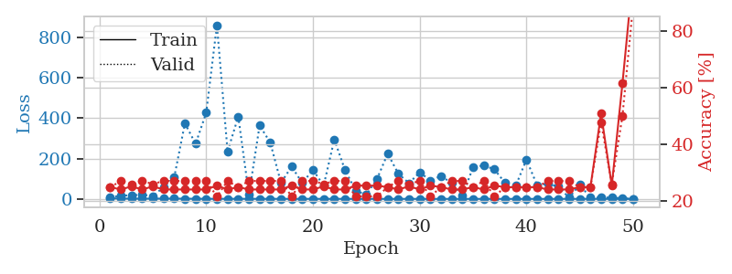
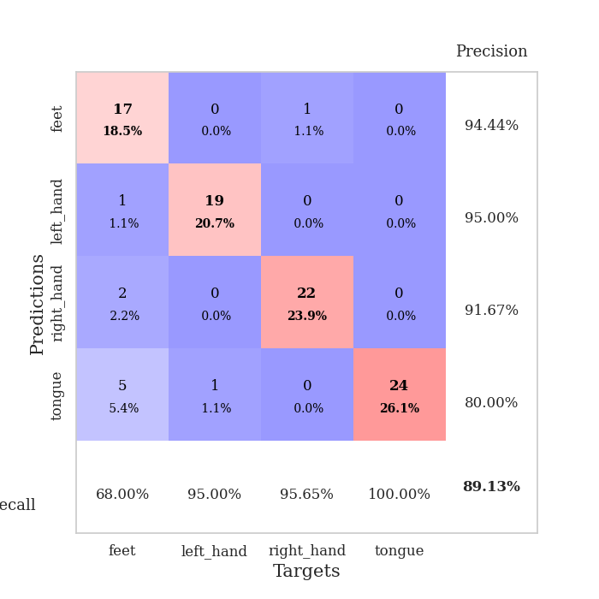
train_loss | valid_loss | train_accuracy | valid_accuracy | dur | train_misclass | valid_misclass
3.1753221387 | 7.7479929095 | 0.25 | 0.25 | 0.10354566574 | 25 | 25
1.4874735837 | 16.218005015 | 0.24184782609 | 0.27173913043 | 0.10086417198 | 24.184782609 | 27.173913043
1.2614168447 | 17.385647898 | 0.2527173913 | 0.26086956522 | 0.10205578804 | 25.27173913 | 26.086956522
1.0943789093 | 21.09902498 | 0.24184782609 | 0.27173913043 | 0.10106754303 | 24.184782609 | 27.173913043
1.1314907437 | 12.980009991 | 0.2527173913 | 0.26086956522 | 0.10824370384 | 25.27173913 | 26.086956522
1.2946638905 | 58.899025793 | 0.24184782609 | 0.27173913043 | 0.10121631622 | 24.184782609 | 27.173913043
1.3061106309 | 107.22107498 | 0.24184782609 | 0.27173913043 | 0.10407066345 | 24.184782609 | 27.173913043
0.9514492789 | 374.90807973 | 0.24184782609 | 0.27173913043 | 0.10554671288 | 24.184782609 | 27.173913043
0.65941285115 | 273.11647763 | 0.24184782609 | 0.27173913043 | 0.10163593292 | 24.184782609 | 27.173913043
0.45610571102 | 427.80942701 | 0.24184782609 | 0.27173913043 | 0.11149048805 | 24.184782609 | 27.173913043
0.41620287882 | 862.05231774 | 0.25543478261 | 0.21739130435 | 0.10656261444 | 25.543478261 | 21.739130435
0.4155102952 | 234.94376937 | 0.24184782609 | 0.27173913043 | 0.10299372673 | 24.184782609 | 27.173913043
0.33160952122 | 408.54527747 | 0.25 | 0.25 | 0.10007214546 | 25 | 25
0.44176078847 | 21.069964616 | 0.24184782609 | 0.27173913043 | 0.10767388344 | 24.184782609 | 27.173913043
0.2608737058 | 364.14352152 | 0.24184782609 | 0.27173913043 | 0.10305690765 | 24.184782609 | 27.173913043
0.23571360613 | 279.21615733 | 0.24184782609 | 0.27173913043 | 0.10834097862 | 24.184782609 | 27.173913043
0.2046332595 | 79.978642671 | 0.24184782609 | 0.27173913043 | 0.10718750954 | 24.184782609 | 27.173913043
0.19221322226 | 160.08483555 | 0.25543478261 | 0.21739130435 | 0.10903310776 | 25.543478261 | 21.739130435
0.18505691235 | 78.867479407 | 0.24184782609 | 0.27173913043 | 0.10084605217 | 24.184782609 | 27.173913043
0.14413821491 | 144.04770893 | 0.24184782609 | 0.27173913043 | 0.11200261116 | 24.184782609 | 27.173913043
0.13003830146 | 65.538102523 | 0.2527173913 | 0.26086956522 | 0.10300111771 | 25.27173913 | 26.086956522
0.16499440619 | 294.39199829 | 0.24184782609 | 0.27173913043 | 0.10656142235 | 24.184782609 | 27.173913043
0.13527419649 | 143.4485812 | 0.24184782609 | 0.27173913043 | 0.11629343033 | 24.184782609 | 27.173913043
0.15050258868 | 40.954149661 | 0.25543478261 | 0.21739130435 | 0.10810351372 | 25.543478261 | 21.739130435
0.14826001254 | 19.629591735 | 0.25543478261 | 0.21739130435 | 0.1019012928 | 25.543478261 | 21.739130435
0.13499055943 | 98.492041546 | 0.25543478261 | 0.21739130435 | 0.10806393623 | 25.543478261 | 21.739130435
0.11078255235 | 224.31110681 | 0.25 | 0.25 | 0.10796427727 | 25 | 25
0.082202924679 | 124.68370122 | 0.24184782609 | 0.27173913043 | 0.11178565025 | 24.184782609 | 27.173913043
0.060433438281 | 77.696421084 | 0.2527173913 | 0.26086956522 | 0.1012377739 | 25.27173913 | 26.086956522
0.054644203213 | 131.74908646 | 0.24184782609 | 0.27173913043 | 0.10774683952 | 24.184782609 | 27.173913043
0.022583078097 | 91.274351369 | 0.25543478261 | 0.21739130435 | 0.10767245293 | 25.543478261 | 21.739130435
0.030639422646 | 113.35918626 | 0.25 | 0.25 | 0.10745334625 | 25 | 25
0.032638511836 | 78.704754705 | 0.24184782609 | 0.27173913043 | 0.10407376289 | 24.184782609 | 27.173913043
0.04162605515 | 16.124052379 | 0.24184782609 | 0.27173913043 | 0.10889911652 | 24.184782609 | 27.173913043
0.034808291193 | 155.67591991 | 0.25 | 0.25 | 0.10659527779 | 25 | 25
0.041442269426 | 166.80243384 | 0.24184782609 | 0.27173913043 | 0.10705757141 | 24.184782609 | 27.173913043
0.037899235233 | 146.13161435 | 0.25543478261 | 0.21739130435 | 0.10953617096 | 25.543478261 | 21.739130435
0.021717321517 | 79.678330795 | 0.25 | 0.25 | 0.10212111473 | 25 | 25
0.015129455497 | 64.771576094 | 0.25 | 0.25 | 0.11077022552 | 25 | 25
0.043561304353 | 195.02400473 | 0.25 | 0.25 | 0.10882091522 | 25 | 25
0.025582298167 | 68.258129783 | 0.25 | 0.25 | 0.1079723835 | 25 | 25
0.048258455489 | 74.924464682 | 0.24184782609 | 0.27173913043 | 0.11145067215 | 24.184782609 | 27.173913043
0.020883573771 | 60.596827963 | 0.24184782609 | 0.27173913043 | 0.10717558861 | 24.184782609 | 27.173913043
0.036269605038 | 5.7103804091 | 0.24184782609 | 0.27173913043 | 0.10985970497 | 24.184782609 | 27.173913043
0.024720816939 | 70.068812992 | 0.25 | 0.25 | 0.10281419754 | 25 | 25
0.018513587463 | 6.2174929121 | 0.25 | 0.25 | 0.10528707504 | 25 | 25
0.015977431681 | 6.500567457 | 0.50815217391 | 0.47826086957 | 0.10338973999 | 50.815217391 | 47.826086957
0.0090529456299 | 6.915937942 | 0.25543478261 | 0.26086956522 | 0.10585308075 | 25.543478261 | 26.086956522
0.01663049133 | 2.621715245 | 0.61413043478 | 0.5 | 0.10677981377 | 61.413043478 | 50
0.009297491999 | 0.32240410279 | 1 | 0.89130434783 | 0.11228275299 | 100 | 89.130434783

Best Val accuracy is 0.8913043478260869 and Best test accuracy is 0.8362068965517241

Sheet10
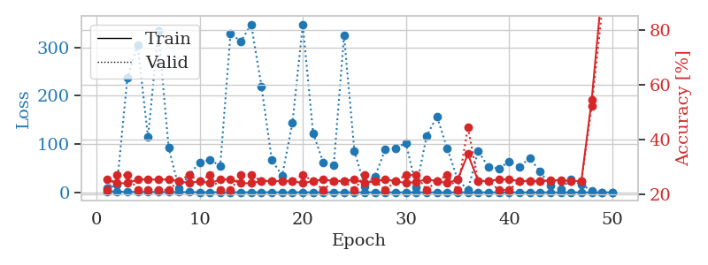
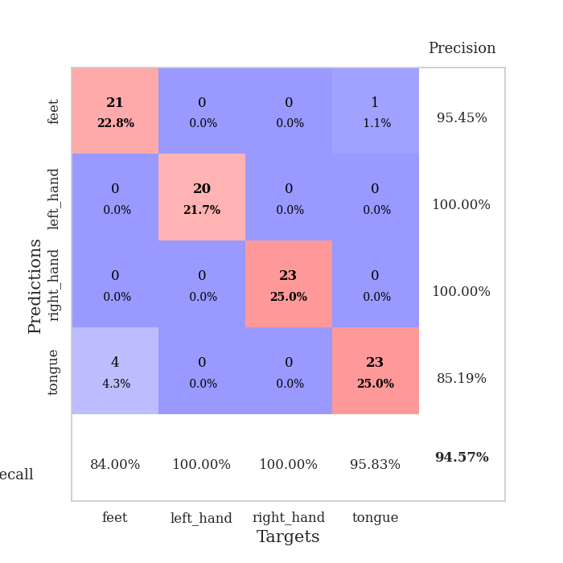
train_loss | valid_loss | train_accuracy | valid_accuracy | dur | train_misclass | valid_misclass
2.2412538114 | 7.8064393583 | 0.25543478261 | 0.21739130435 | 0.10563063622 | 25.543478261 | 21.739130435
1.3406146998 | 15.607928566 | 0.24184782609 | 0.27173913043 | 0.1016254425 | 24.184782609 | 27.173913043
1.0409482147 | 236.84639441 | 0.24184782609 | 0.27173913043 | 0.10912632942 | 24.184782609 | 27.173913043
0.90270080644 | 305.39718363 | 0.25543478261 | 0.21739130435 | 0.10733962059 | 25.543478261 | 21.739130435
0.80876945801 | 114.06759113 | 0.25543478261 | 0.21739130435 | 0.1039750576 | 25.543478261 | 21.739130435
0.74975494069 | 333.6316661 | 0.25543478261 | 0.21739130435 | 0.10607528687 | 25.543478261 | 21.739130435
0.55955691765 | 93.115869605 | 0.25543478261 | 0.21739130435 | 0.10937929153 | 25.543478261 | 21.739130435
0.49958368358 | 7.9263100624 | 0.25 | 0.25 | 0.11179566383 | 25 | 25
0.47834037503 | 35.880617391 | 0.24184782609 | 0.27173913043 | 0.1068956852 | 24.184782609 | 27.173913043
0.43236079812 | 62.561738553 | 0.25 | 0.25 | 0.10965037346 | 25 | 25
0.42205147486 | 67.190743156 | 0.24184782609 | 0.27173913043 | 0.10432672501 | 24.184782609 | 27.173913043
0.27005605165 | 55.043868355 | 0.25543478261 | 0.21739130435 | 0.10738611221 | 25.543478261 | 21.739130435
0.23213602967 | 329.5703324 | 0.25543478261 | 0.21739130435 | 0.10577368736 | 25.543478261 | 21.739130435
0.28967416254 | 312.19329967 | 0.24184782609 | 0.27173913043 | 0.10440206528 | 24.184782609 | 27.173913043
0.24153435884 | 348.0576278 | 0.24184782609 | 0.27173913043 | 0.11033320427 | 24.184782609 | 27.173913043
0.18690906198 | 218.9151273 | 0.25 | 0.25 | 0.10833215714 | 25 | 25
0.17241493619 | 66.586308023 | 0.25 | 0.25 | 0.10895633698 | 25 | 25
0.12460637295 | 34.743567757 | 0.25 | 0.25 | 0.10461139679 | 25 | 25
0.13226904109 | 143.73906144 | 0.25 | 0.25 | 0.11084508896 | 25 | 25
0.19325925944 | 347.51926721 | 0.24184782609 | 0.27173913043 | 0.10729932785 | 24.184782609 | 27.173913043
0.17351357855 | 122.85596101 | 0.25 | 0.25 | 0.10734820366 | 25 | 25
0.1204992182 | 60.994533705 | 0.25543478261 | 0.21739130435 | 0.10419273376 | 25.543478261 | 21.739130435
0.18354060213 | 55.667911695 | 0.25 | 0.25 | 0.10219550133 | 25 | 25
0.096937547448 | 324.57281096 | 0.25 | 0.25 | 0.1062836647 | 25 | 25
0.07930184512 | 86.133887581 | 0.25543478261 | 0.21739130435 | 0.10579442978 | 25.543478261 | 21.739130435
0.066898248239 | 12.415324336 | 0.24184782609 | 0.27173913043 | 0.10792851448 | 24.184782609 | 27.173913043
0.06659394035 | 32.638326562 | 0.25 | 0.25 | 0.10433363914 | 25 | 25
0.080272583038 | 90.045728932 | 0.25543478261 | 0.21739130435 | 0.1030600071 | 25.543478261 | 21.739130435
0.039495003157 | 91.37304787 | 0.25 | 0.25 | 0.10732364655 | 25 | 25
0.026739805679 | 102.5061128 | 0.24184782609 | 0.27173913043 | 0.10926103592 | 24.184782609 | 27.173913043
0.042358362661 | 9.910130252 | 0.2472826087 | 0.27173913043 | 0.10661387444 | 24.72826087 | 27.173913043
0.036290030618 | 116.51480036 | 0.25543478261 | 0.21739130435 | 0.10330629349 | 25.543478261 | 21.739130435
0.043046254488 | 157.30290753 | 0.25 | 0.25 | 0.10353803635 | 25 | 25
0.031725012631 | 90.999800641 | 0.24184782609 | 0.27173913043 | 0.10215067863 | 24.184782609 | 27.173913043
0.044824868284 | 27.056381806 | 0.25543478261 | 0.21739130435 | 0.10436248779 | 25.543478261 | 21.739130435
0.025618066044 | 4.8956287425 | 0.34782608696 | 0.44565217391 | 0.1057600975 | 34.782608696 | 44.565217391
0.023736823265 | 85.76204416 | 0.25 | 0.25 | 0.1045820713 | 25 | 25
0.030089531921 | 51.862119592 | 0.25 | 0.25 | 0.11294698715 | 25 | 25
0.034182492603 | 49.552844006 | 0.25543478261 | 0.21739130435 | 0.1123418808 | 25.543478261 | 21.739130435
0.016424101045 | 63.505510081 | 0.25543478261 | 0.21739130435 | 0.11565327644 | 25.543478261 | 21.739130435
0.01739211141 | 53.498943329 | 0.25 | 0.25 | 0.10209393501 | 25 | 25
0.022668773222 | 70.758212877 | 0.25 | 0.25 | 0.10399436951 | 25 | 25
0.01463906279 | 43.040406434 | 0.25 | 0.25 | 0.10028672218 | 25 | 25
0.0087585873344 | 13.744803014 | 0.2527173913 | 0.25 | 0.10756587982 | 25.27173913 | 25
0.0097200662668 | 7.1916705214 | 0.2527173913 | 0.25 | 0.10878825188 | 25.27173913 | 25
0.027815701512 | 27.066240145 | 0.25 | 0.25 | 0.10772323608 | 25 | 25
0.010035811589 | 15.588950904 | 0.25 | 0.25 | 0.1047475338 | 25 | 25
0.014717529522 | 3.9863604877 | 0.54619565217 | 0.52173913043 | 0.10127711296 | 54.619565217 | 52.173913043
0.0076343058026 | 0.32950416337 | 0.94836956522 | 0.86956521739 | 0.10547590256 | 94.836956522 | 86.956521739
0.0087088413684 | 0.10418764761 | 1 | 0.94565217391 | 0.10110330582 | 100 | 94.565217391

Best Val accuracy is 0.9456521739130435 and Best test accuracy is 0.8879310344827587

