Sheet
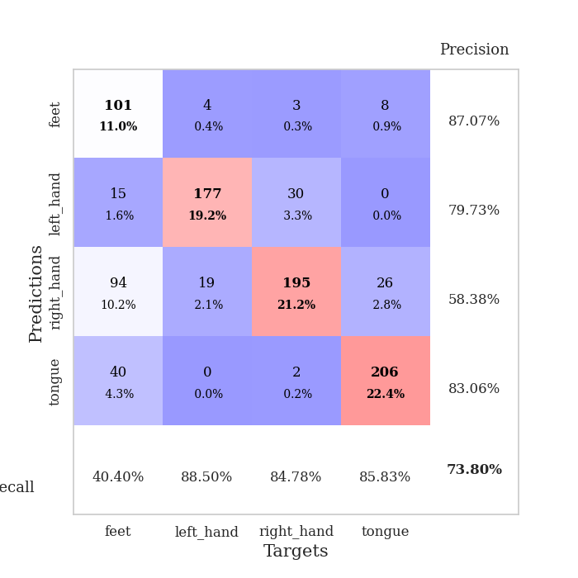
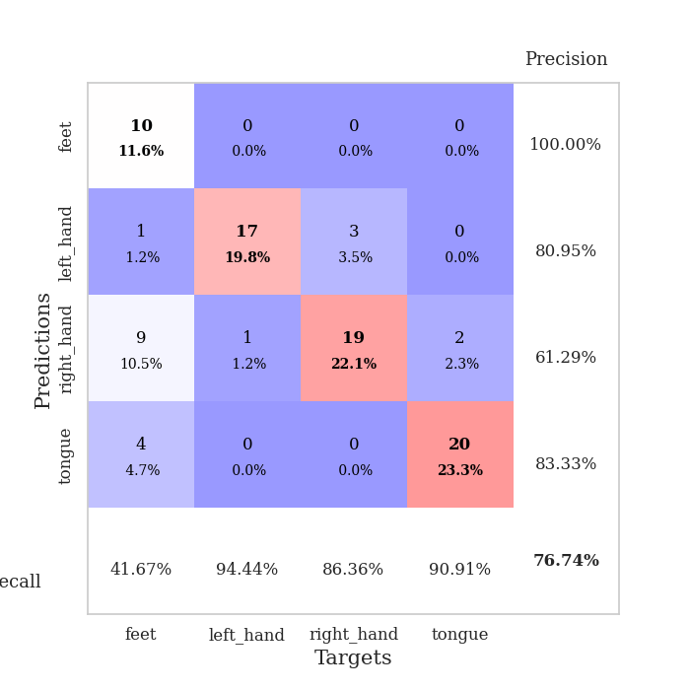
best_val_acc | best_val_los | best_test_acc
0.63043478261 | 1.4134961056 | 0.65517241379
0.84782608696 | 0.80735575375 | 0.72413793103
0.75 | 0.84810670822 | 0.72413793103
0.79347826087 | 0.91671010722 | 0.71551724138
0.64130434783 | 1.210488024 | 0.62931034483
0.84782608696 | 0.71980160993 | 0.79310344828
0.60869565217 | 1.3580243898 | 0.64655172414
0.77173913043 | 0.82693255207 | 0.71551724138
0.75 | 0.88735596771 | 0.72413793103
0.75 | 0.92836807085 | 0.71551724138

Mean,std Val accuracy is 0.7391304347826086 , 0.08589325790673694 and mean, std test accuracy is 0.7043103448275863 , 0.048092495216840184

Sheet1
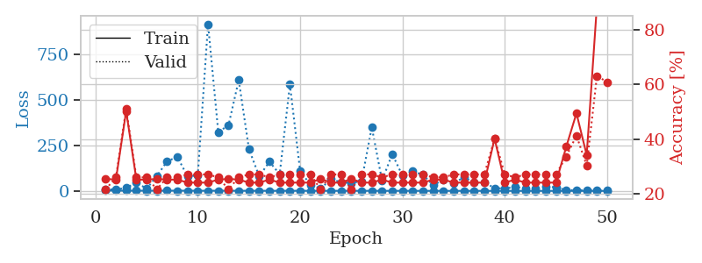
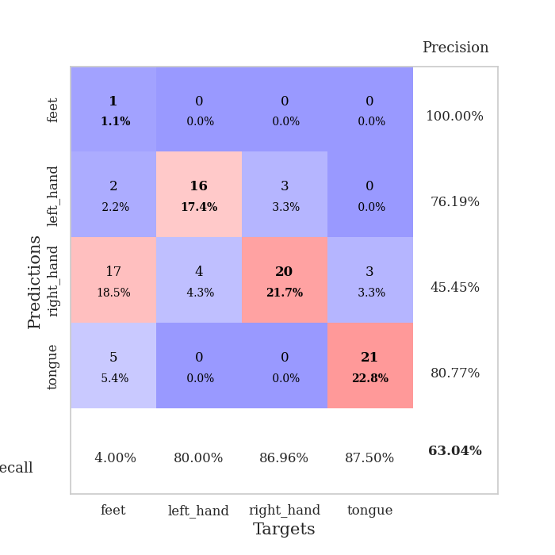
train_loss | valid_loss | train_accuracy | valid_accuracy | dur | train_misclass | valid_misclass
2.7001372109 | 8.7556382677 | 0.25543478261 | 0.21739130435 | 0.104367733 | 25.543478261 | 21.739130435
1.4293286075 | 7.7931904793 | 0.2527173913 | 0.26086956522 | 0.10295510292 | 25.27173913 | 26.086956522
1.4096768447 | 15.88202207 | 0.5027173913 | 0.51086956522 | 0.1035926342 | 50.27173913 | 51.086956522
1.252168277 | 45.489569125 | 0.2527173913 | 0.26086956522 | 0.11019706726 | 25.27173913 | 26.086956522
1.2176363779 | 12.347937335 | 0.2527173913 | 0.26086956522 | 0.10274410248 | 25.27173913 | 26.086956522
1.2080075611 | 81.355407051 | 0.25543478261 | 0.21739130435 | 0.10873389244 | 25.543478261 | 21.739130435
1.2974769473 | 162.13181935 | 0.2527173913 | 0.26086956522 | 0.11146569252 | 25.27173913 | 26.086956522
1.1722144238 | 186.22002444 | 0.2527173913 | 0.26086956522 | 0.1102669239 | 25.27173913 | 26.086956522
1.1426411349 | 79.125144627 | 0.24184782609 | 0.27173913043 | 0.10352635384 | 24.184782609 | 27.173913043
0.93003268346 | 84.854603975 | 0.24184782609 | 0.27173913043 | 0.1072435379 | 24.184782609 | 27.173913043
0.85058556821 | 913.52423626 | 0.24184782609 | 0.27173913043 | 0.10493350029 | 24.184782609 | 27.173913043
1.0627133924 | 322.37332153 | 0.2527173913 | 0.26086956522 | 0.11395597458 | 25.27173913 | 26.086956522
0.89746810042 | 359.28734157 | 0.25543478261 | 0.21739130435 | 0.1102938652 | 25.543478261 | 21.739130435
0.79411553948 | 607.49640423 | 0.2527173913 | 0.26086956522 | 0.11046028137 | 25.27173913 | 26.086956522
0.6624339495 | 228.28101714 | 0.24184782609 | 0.27173913043 | 0.10392522812 | 24.184782609 | 27.173913043
0.62196159752 | 80.261698516 | 0.24184782609 | 0.27173913043 | 0.11101722717 | 24.184782609 | 27.173913043
0.60561536252 | 159.74282041 | 0.2527173913 | 0.26086956522 | 0.10821604729 | 25.27173913 | 26.086956522
0.59760982122 | 91.570918539 | 0.24184782609 | 0.27173913043 | 0.107837677 | 24.184782609 | 27.173913043
0.73341774163 | 583.44779637 | 0.24184782609 | 0.27173913043 | 0.11003255844 | 24.184782609 | 27.173913043
0.59766331315 | 108.59886866 | 0.24184782609 | 0.27173913043 | 0.10466480255 | 24.184782609 | 27.173913043
0.58061847285 | 34.06505933 | 0.24184782609 | 0.27173913043 | 0.10912775993 | 24.184782609 | 27.173913043
0.53876268281 | 12.013341033 | 0.25543478261 | 0.21739130435 | 0.10659217834 | 25.543478261 | 21.739130435
0.54180226831 | 64.817537059 | 0.24184782609 | 0.27173913043 | 0.10934376717 | 24.184782609 | 27.173913043
0.45726892352 | 46.944193301 | 0.24184782609 | 0.27173913043 | 0.10677337646 | 24.184782609 | 27.173913043
0.48708618724 | 43.686918673 | 0.25543478261 | 0.21739130435 | 0.1101911068 | 25.543478261 | 21.739130435
0.46937194596 | 53.260204647 | 0.24184782609 | 0.27173913043 | 0.11596345901 | 24.184782609 | 27.173913043
0.50586697654 | 348.6927477 | 0.24184782609 | 0.27173913043 | 0.10478305817 | 24.184782609 | 27.173913043
0.34901393885 | 57.388962621 | 0.2527173913 | 0.26086956522 | 0.10554552078 | 25.27173913 | 26.086956522
0.38130135931 | 201.38569641 | 0.24184782609 | 0.27173913043 | 0.10689282417 | 24.184782609 | 27.173913043
0.4864855778 | 83.349263067 | 0.24184782609 | 0.27173913043 | 0.11020970345 | 24.184782609 | 27.173913043
0.32769253364 | 107.44851552 | 0.24184782609 | 0.27173913043 | 0.11022639275 | 24.184782609 | 27.173913043
0.29709313988 | 87.938963849 | 0.24184782609 | 0.27173913043 | 0.10989260674 | 24.184782609 | 27.173913043
0.26805645049 | 31.419904626 | 0.2527173913 | 0.26086956522 | 0.10963702202 | 25.27173913 | 26.086956522
0.24991495332 | 60.039328036 | 0.2527173913 | 0.26086956522 | 0.10995697975 | 25.27173913 | 26.086956522
0.2327037648 | 41.77679659 | 0.24184782609 | 0.27173913043 | 0.10645294189 | 24.184782609 | 27.173913043
0.2189337365 | 74.566914102 | 0.24184782609 | 0.27173913043 | 0.10461401939 | 24.184782609 | 27.173913043
0.20903347595 | 45.12433674 | 0.24184782609 | 0.27173913043 | 0.10916423798 | 24.184782609 | 27.173913043
0.19125874486 | 47.353649637 | 0.24184782609 | 0.27173913043 | 0.10447573662 | 24.184782609 | 27.173913043
0.17130626698 | 15.158466173 | 0.40217391304 | 0.40217391304 | 0.11060118675 | 40.217391304 | 40.217391304
0.13259822543 | 13.429684971 | 0.24184782609 | 0.27173913043 | 0.10102653503 | 24.184782609 | 27.173913043
0.17123235665 | 20.610876249 | 0.2527173913 | 0.26086956522 | 0.11111021042 | 25.27173913 | 26.086956522
0.11667724602 | 14.127696286 | 0.24184782609 | 0.27173913043 | 0.10510444641 | 24.184782609 | 27.173913043
0.13063734867 | 15.123295577 | 0.24184782609 | 0.27173913043 | 0.10771274567 | 24.184782609 | 27.173913043
0.16363471552 | 24.566568872 | 0.24184782609 | 0.27173913043 | 0.10619783401 | 24.184782609 | 27.173913043
0.10876479761 | 19.141220673 | 0.24184782609 | 0.27173913043 | 0.10276484489 | 24.184782609 | 27.173913043
0.13329658285 | 4.5307982694 | 0.3722826087 | 0.33695652174 | 0.10235357285 | 37.22826087 | 33.695652174
0.094448384464 | 3.2891280858 | 0.49456521739 | 0.41304347826 | 0.10856151581 | 49.456521739 | 41.304347826
0.10327165744 | 3.8997668805 | 0.34239130435 | 0.30434782609 | 0.11375641823 | 34.239130435 | 30.434782609
0.12144200698 | 1.5405390107 | 0.88858695652 | 0.63043478261 | 0.1027944088 | 88.858695652 | 63.043478261
0.077931508705 | 1.4134961056 | 0.9402173913 | 0.60869565217 | 0.11374497414 | 94.02173913 | 60.869565217

Best Val accuracy is 0.6304347826086957 and Best test accuracy is 0.6551724137931034

Sheet2
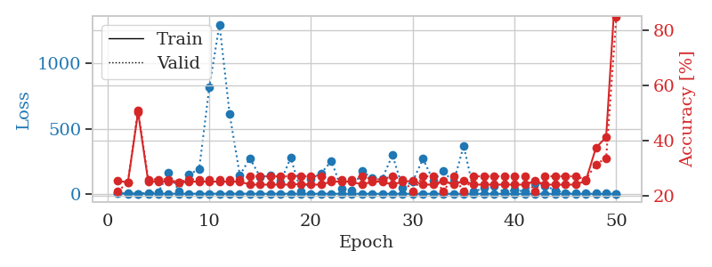
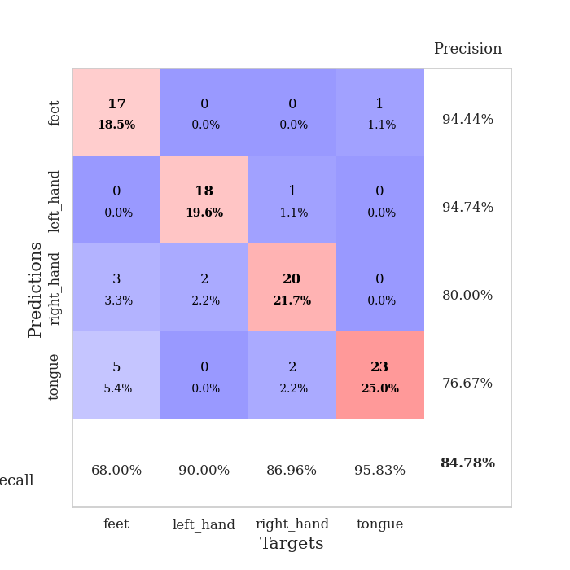
train_loss | valid_loss | train_accuracy | valid_accuracy | dur | train_misclass | valid_misclass
3.1033480452 | 5.7383499146 | 0.25543478261 | 0.21739130435 | 0.10496473312 | 25.543478261 | 21.739130435
1.3090676873 | 1.8456955008 | 0.25 | 0.25 | 0.10270190239 | 25 | 25
1.4744830261 | 1.4036985532 | 0.5027173913 | 0.51086956522 | 0.10057663918 | 50.27173913 | 51.086956522
1.2124339835 | 6.8936486659 | 0.2527173913 | 0.26086956522 | 0.10138869286 | 25.27173913 | 26.086956522
1.2312095243 | 12.169492639 | 0.2527173913 | 0.26086956522 | 0.10461425781 | 25.27173913 | 26.086956522
1.1054550539 | 163.30028368 | 0.2527173913 | 0.26086956522 | 0.10305452347 | 25.27173913 | 26.086956522
1.008892759 | 22.08230964 | 0.25 | 0.25 | 0.10454821587 | 25 | 25
0.94963087984 | 149.95071278 | 0.2527173913 | 0.26086956522 | 0.10204267502 | 25.27173913 | 26.086956522
0.88884454188 | 187.3238333 | 0.2527173913 | 0.26086956522 | 0.10456371307 | 25.27173913 | 26.086956522
1.0673967652 | 817.27110224 | 0.2527173913 | 0.26086956522 | 0.11082100868 | 25.27173913 | 26.086956522
1.0899290883 | 1300.2390933 | 0.2527173913 | 0.26086956522 | 0.11158227921 | 25.27173913 | 26.086956522
0.86869930573 | 611.63128131 | 0.2527173913 | 0.26086956522 | 0.106320858 | 25.27173913 | 26.086956522
0.84814017882 | 144.37684499 | 0.2527173913 | 0.26086956522 | 0.11309242249 | 25.27173913 | 26.086956522
0.77045341419 | 271.73190042 | 0.24184782609 | 0.27173913043 | 0.10503339767 | 24.184782609 | 27.173913043
0.60320168993 | 129.095934 | 0.24184782609 | 0.27173913043 | 0.10909676552 | 24.184782609 | 27.173913043
0.65566442194 | 141.34631414 | 0.24184782609 | 0.27173913043 | 0.10282254219 | 24.184782609 | 27.173913043
0.8183224564 | 88.972199481 | 0.24184782609 | 0.27173913043 | 0.11101508141 | 24.184782609 | 27.173913043
0.63996701266 | 277.69206039 | 0.24184782609 | 0.27173913043 | 0.11397719383 | 24.184782609 | 27.173913043
0.64745280535 | 18.939372519 | 0.24456521739 | 0.27173913043 | 0.10662746429 | 24.456521739 | 27.173913043
0.60517296843 | 113.77169236 | 0.24184782609 | 0.27173913043 | 0.10723495483 | 24.184782609 | 27.173913043
0.54043980785 | 158.41101738 | 0.24184782609 | 0.27173913043 | 0.11026644707 | 24.184782609 | 27.173913043
0.47415166964 | 251.61534716 | 0.2527173913 | 0.26086956522 | 0.10951948166 | 25.27173913 | 26.086956522
0.58931222558 | 37.377017975 | 0.2527173913 | 0.26086956522 | 0.10176229477 | 25.27173913 | 26.086956522
0.46450822509 | 25.584838867 | 0.2527173913 | 0.26086956522 | 0.10654234886 | 25.27173913 | 26.086956522
0.53214879075 | 173.7870563 | 0.24184782609 | 0.27173913043 | 0.10510349274 | 24.184782609 | 27.173913043
0.42742344607 | 121.57050556 | 0.2527173913 | 0.26086956522 | 0.10461735725 | 25.27173913 | 26.086956522
0.3773683789 | 117.24864462 | 0.2527173913 | 0.26086956522 | 0.10725426674 | 25.27173913 | 26.086956522
0.33263609979 | 296.68527487 | 0.24184782609 | 0.27173913043 | 0.11306858063 | 24.184782609 | 27.173913043
0.41090241593 | 46.843222577 | 0.2527173913 | 0.26086956522 | 0.10571718216 | 25.27173913 | 26.086956522
0.29638313794 | 96.460994223 | 0.25543478261 | 0.21739130435 | 0.10605597496 | 25.543478261 | 21.739130435
0.27062058805 | 268.56153007 | 0.24184782609 | 0.27173913043 | 0.11006045341 | 24.184782609 | 27.173913043
0.27918724133 | 102.49911764 | 0.24184782609 | 0.27173913043 | 0.107888937 | 24.184782609 | 27.173913043
0.28085176193 | 174.8034595 | 0.25543478261 | 0.21739130435 | 0.11071062088 | 25.543478261 | 21.739130435
0.27232381961 | 85.584803374 | 0.24184782609 | 0.27173913043 | 0.1068239212 | 24.184782609 | 27.173913043
0.21811863331 | 368.08196093 | 0.25543478261 | 0.21739130435 | 0.096959352493 | 25.543478261 | 21.739130435
0.19282296753 | 18.045347545 | 0.24184782609 | 0.27173913043 | 0.10345196724 | 24.184782609 | 27.173913043
0.16359779368 | 43.452833922 | 0.24184782609 | 0.27173913043 | 0.097939014435 | 24.184782609 | 27.173913043
0.16239759472 | 57.617274077 | 0.24184782609 | 0.27173913043 | 0.098379611969 | 24.184782609 | 27.173913043
0.15924075311 | 12.908881478 | 0.24184782609 | 0.27173913043 | 0.097835540771 | 24.184782609 | 27.173913043
0.1797234995 | 29.614924389 | 0.24184782609 | 0.27173913043 | 0.099987745285 | 24.184782609 | 27.173913043
0.12267295239 | 17.285286945 | 0.24184782609 | 0.27173913043 | 0.097044706345 | 24.184782609 | 27.173913043
0.13169608897 | 83.199333191 | 0.25543478261 | 0.21739130435 | 0.097145080566 | 25.543478261 | 21.739130435
0.15491919422 | 62.468360237 | 0.24184782609 | 0.27173913043 | 0.098905801773 | 24.184782609 | 27.173913043
0.12894862214 | 26.169303562 | 0.24184782609 | 0.27173913043 | 0.099098443985 | 24.184782609 | 27.173913043
0.12501364428 | 8.0674824507 | 0.24184782609 | 0.27173913043 | 0.098711013794 | 24.184782609 | 27.173913043
0.085944045902 | 6.1281619487 | 0.24184782609 | 0.27173913043 | 0.098465442657 | 24.184782609 | 27.173913043
0.1141286362 | 8.4727400489 | 0.25543478261 | 0.26086956522 | 0.1100025177 | 25.543478261 | 26.086956522
0.089488633139 | 7.2169036865 | 0.375 | 0.3152173913 | 0.11297893524 | 37.5 | 31.52173913
0.13243751017 | 6.5090091332 | 0.41304347826 | 0.33695652174 | 0.11145281792 | 41.304347826 | 33.695652174
0.091115261914 | 0.80735575375 | 1 | 0.84782608696 | 0.10703420639 | 100 | 84.782608696

Best Val accuracy is 0.8478260869565217 and Best test accuracy is 0.7241379310344828

Sheet3
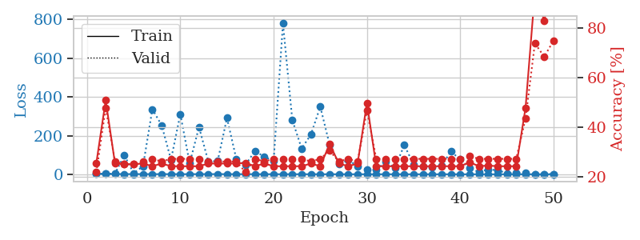
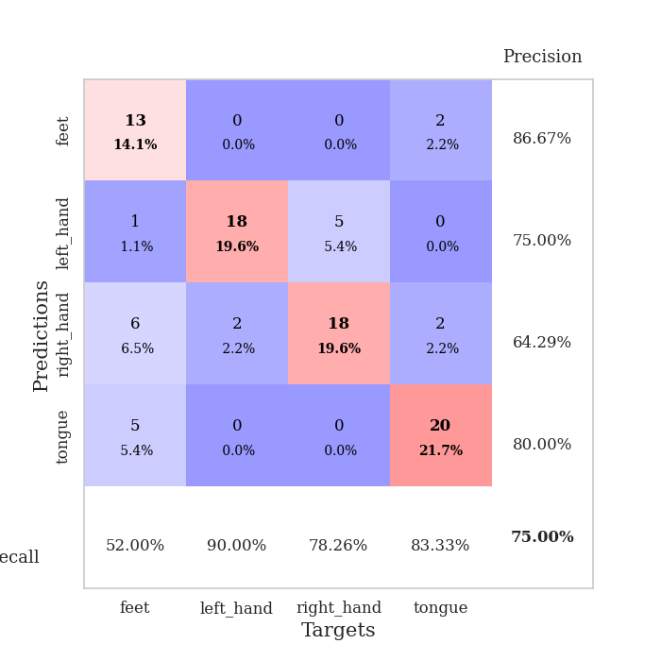
train_loss | valid_loss | train_accuracy | valid_accuracy | dur | train_misclass | valid_misclass
3.1707541735 | 2.9953738088 | 0.25543478261 | 0.21739130435 | 0.10710477829 | 25.543478261 | 21.739130435
1.4532563505 | 1.8890928911 | 0.50815217391 | 0.47826086957 | 0.10873246193 | 50.815217391 | 47.826086957
1.4450312386 | 3.8693947792 | 0.2527173913 | 0.26086956522 | 0.10305690765 | 25.27173913 | 26.086956522
1.048737627 | 98.379276773 | 0.25 | 0.25 | 0.10368704796 | 25 | 25
1.1187549752 | 5.5595027882 | 0.25 | 0.25 | 0.10230302811 | 25 | 25
0.9696710032 | 41.705953349 | 0.2527173913 | 0.26086956522 | 0.1020181179 | 25.27173913 | 26.086956522
0.85649837618 | 336.07227226 | 0.24184782609 | 0.27173913043 | 0.11041331291 | 24.184782609 | 27.173913043
0.82970554803 | 253.57058052 | 0.2527173913 | 0.26086956522 | 0.10517597198 | 25.27173913 | 26.086956522
0.85083172503 | 75.005375406 | 0.24184782609 | 0.27173913043 | 0.10712623596 | 24.184782609 | 27.173913043
0.80581012887 | 311.32411393 | 0.24184782609 | 0.27173913043 | 0.10134792328 | 24.184782609 | 27.173913043
0.80055584337 | 56.342834307 | 0.24184782609 | 0.27173913043 | 0.10822749138 | 24.184782609 | 27.173913043
0.91026691121 | 243.99851525 | 0.24184782609 | 0.27173913043 | 0.10974264145 | 24.184782609 | 27.173913043
0.91409775096 | 66.161111251 | 0.2527173913 | 0.26086956522 | 0.10482525826 | 25.27173913 | 26.086956522
0.94795517299 | 68.087063997 | 0.2527173913 | 0.26086956522 | 0.10598349571 | 25.27173913 | 26.086956522
0.73971609901 | 291.22764521 | 0.2527173913 | 0.26086956522 | 0.11001491547 | 25.27173913 | 26.086956522
0.75217129873 | 78.769493103 | 0.2527173913 | 0.26086956522 | 0.10552382469 | 25.27173913 | 26.086956522
0.70797889259 | 50.097919464 | 0.25543478261 | 0.21739130435 | 0.10078835487 | 25.543478261 | 21.739130435
0.64271220954 | 120.55538476 | 0.24184782609 | 0.27173913043 | 0.10667181015 | 24.184782609 | 27.173913043
0.52445106144 | 90.376437312 | 0.2527173913 | 0.26086956522 | 0.10937142372 | 25.27173913 | 26.086956522
0.51751076203 | 69.154390086 | 0.24184782609 | 0.27173913043 | 0.11634230614 | 24.184782609 | 27.173913043
0.44941796881 | 780.1698343 | 0.24184782609 | 0.27173913043 | 0.10514140129 | 24.184782609 | 27.173913043
0.52310717365 | 280.95581718 | 0.24184782609 | 0.27173913043 | 0.10256958008 | 24.184782609 | 27.173913043
0.38437675426 | 133.43968134 | 0.24184782609 | 0.27173913043 | 0.10548734665 | 24.184782609 | 27.173913043
0.40572139005 | 205.81180473 | 0.2527173913 | 0.26086956522 | 0.10404372215 | 25.27173913 | 26.086956522
0.41667091361 | 349.84965847 | 0.24184782609 | 0.27173913043 | 0.099973201752 | 24.184782609 | 27.173913043
0.31600631628 | 152.32814092 | 0.33152173913 | 0.30434782609 | 0.10870432854 | 33.152173913 | 30.434782609
0.36177409797 | 53.761529508 | 0.2527173913 | 0.26086956522 | 0.10057759285 | 25.27173913 | 26.086956522
0.29917809497 | 72.642191016 | 0.24184782609 | 0.27173913043 | 0.10555243492 | 24.184782609 | 27.173913043
0.30310486322 | 42.564615498 | 0.2527173913 | 0.26086956522 | 0.10495996475 | 25.27173913 | 26.086956522
0.31739771447 | 23.466584164 | 0.4972826087 | 0.46739130435 | 0.10645985603 | 49.72826087 | 46.739130435
0.28509798808 | 23.347234726 | 0.24184782609 | 0.27173913043 | 0.10845923424 | 24.184782609 | 27.173913043
0.23001658674 | 63.600059841 | 0.24184782609 | 0.27173913043 | 0.10602498055 | 24.184782609 | 27.173913043
0.25143439323 | 33.219516422 | 0.24184782609 | 0.27173913043 | 0.10742592812 | 24.184782609 | 27.173913043
0.23745997347 | 151.11245927 | 0.24184782609 | 0.27173913043 | 0.12465906143 | 24.184782609 | 27.173913043
0.21087686102 | 50.71284601 | 0.24184782609 | 0.27173913043 | 0.12209248543 | 24.184782609 | 27.173913043
0.19155017546 | 39.074581146 | 0.24184782609 | 0.27173913043 | 0.12799453735 | 24.184782609 | 27.173913043
0.16081248199 | 37.414501688 | 0.24184782609 | 0.27173913043 | 0.11668133736 | 24.184782609 | 27.173913043
0.12307382926 | 43.961263408 | 0.24184782609 | 0.27173913043 | 0.10970568657 | 24.184782609 | 27.173913043
0.20598826112 | 118.71622102 | 0.24184782609 | 0.27173913043 | 0.10614395142 | 24.184782609 | 27.173913043
0.13507027066 | 75.912274568 | 0.24184782609 | 0.27173913043 | 0.11239933968 | 24.184782609 | 27.173913043
0.14028015727 | 30.804180643 | 0.25815217391 | 0.28260869565 | 0.10961914062 | 25.815217391 | 28.260869565
0.11022038065 | 12.302418626 | 0.24184782609 | 0.27173913043 | 0.10599446297 | 24.184782609 | 27.173913043
0.16364484819 | 24.960190151 | 0.24456521739 | 0.27173913043 | 0.10605716705 | 24.456521739 | 27.173913043
0.14261061293 | 21.038616678 | 0.24184782609 | 0.27173913043 | 0.11973977089 | 24.184782609 | 27.173913043
0.12880494454 | 5.3883543844 | 0.24184782609 | 0.27173913043 | 0.11045646667 | 24.184782609 | 27.173913043
0.1113868142 | 7.4086456092 | 0.24184782609 | 0.27173913043 | 0.10943007469 | 24.184782609 | 27.173913043
0.10448332795 | 9.167262492 | 0.47826086957 | 0.4347826087 | 0.11259675026 | 47.826086957 | 43.47826087
0.10226088896 | 0.84810670822 | 0.94565217391 | 0.73913043478 | 0.10942745209 | 94.565217391 | 73.913043478
0.10021576516 | 1.2067980559 | 0.83152173913 | 0.6847826087 | 0.10997128487 | 83.152173913 | 68.47826087
0.094266770448 | 0.96427650814 | 0.98913043478 | 0.75 | 0.11333036423 | 98.913043478 | 75

Best Val accuracy is 0.75 and Best test accuracy is 0.7241379310344828

Sheet4
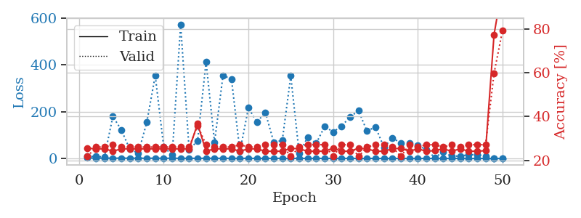
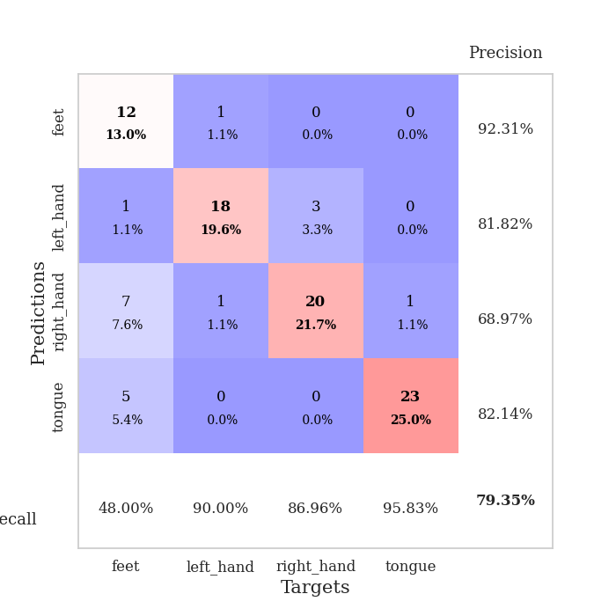
train_loss | valid_loss | train_accuracy | valid_accuracy | dur | train_misclass | valid_misclass
2.872663104 | 10.014783071 | 0.25543478261 | 0.21739130435 | 0.10526752472 | 25.543478261 | 21.739130435
1.3696459532 | 8.1907383048 | 0.2527173913 | 0.26086956522 | 0.10450148582 | 25.27173913 | 26.086956522
1.3988935611 | 6.9941468446 | 0.2527173913 | 0.26086956522 | 0.10585451126 | 25.27173913 | 26.086956522
1.3793079723 | 179.83223359 | 0.24184782609 | 0.27173913043 | 0.10880923271 | 24.184782609 | 27.173913043
1.2511827946 | 121.54553389 | 0.2527173913 | 0.26086956522 | 0.11005473137 | 25.27173913 | 26.086956522
1.0850970641 | 39.225943358 | 0.2527173913 | 0.26086956522 | 0.11348700523 | 25.27173913 | 26.086956522
0.99725287894 | 22.744154806 | 0.2527173913 | 0.26086956522 | 0.11192154884 | 25.27173913 | 26.086956522
1.0677381391 | 154.18761079 | 0.2527173913 | 0.26086956522 | 0.10646796227 | 25.27173913 | 26.086956522
0.95767460958 | 354.02328889 | 0.2527173913 | 0.26086956522 | 0.10972499847 | 25.27173913 | 26.086956522
0.99959803664 | 49.692068349 | 0.2527173913 | 0.26086956522 | 0.11361145973 | 25.27173913 | 26.086956522
0.93333976683 | 14.931246177 | 0.2527173913 | 0.26086956522 | 0.10840940475 | 25.27173913 | 26.086956522
0.82350675308 | 571.59027365 | 0.2527173913 | 0.26086956522 | 0.10951900482 | 25.27173913 | 26.086956522
0.67648369722 | 37.834196837 | 0.2527173913 | 0.26086956522 | 0.10614657402 | 25.27173913 | 26.086956522
0.67121696472 | 75.372633229 | 0.36684782609 | 0.35869565217 | 0.10933852196 | 36.684782609 | 35.869565217
0.80585908112 | 412.94312452 | 0.24184782609 | 0.27173913043 | 0.10632324219 | 24.184782609 | 27.173913043
0.67194697261 | 69.146183843 | 0.2527173913 | 0.26086956522 | 0.11691880226 | 25.27173913 | 26.086956522
0.62590161614 | 354.86076421 | 0.2527173913 | 0.26086956522 | 0.11258745193 | 25.27173913 | 26.086956522
0.56820591766 | 339.58082647 | 0.2527173913 | 0.26086956522 | 0.11113333702 | 25.27173913 | 26.086956522
0.5797341751 | 30.055685126 | 0.24184782609 | 0.27173913043 | 0.11354112625 | 24.184782609 | 27.173913043
0.53008996469 | 216.21993687 | 0.2527173913 | 0.26086956522 | 0.11398696899 | 25.27173913 | 26.086956522
0.42242986612 | 155.40309674 | 0.2527173913 | 0.26086956522 | 0.11248326302 | 25.27173913 | 26.086956522
0.42858737027 | 197.14365619 | 0.24184782609 | 0.27173913043 | 0.11501860619 | 24.184782609 | 27.173913043
0.44759182891 | 68.733597465 | 0.24184782609 | 0.27173913043 | 0.10455155373 | 24.184782609 | 27.173913043
0.29996682056 | 77.216406449 | 0.24184782609 | 0.27173913043 | 0.10441040993 | 24.184782609 | 27.173913043
0.42676025224 | 353.06887419 | 0.25543478261 | 0.21739130435 | 0.10306406021 | 25.543478261 | 21.739130435
0.41312511848 | 20.59721134 | 0.2527173913 | 0.26086956522 | 0.10780024529 | 25.27173913 | 26.086956522
0.35619573651 | 91.472742495 | 0.24184782609 | 0.27173913043 | 0.11100292206 | 24.184782609 | 27.173913043
0.38221379629 | 64.08650108 | 0.24184782609 | 0.27173913043 | 0.11228895187 | 24.184782609 | 27.173913043
0.32332074318 | 136.79317906 | 0.24184782609 | 0.27173913043 | 0.10621213913 | 24.184782609 | 27.173913043
0.30822257293 | 113.6097359 | 0.25543478261 | 0.21739130435 | 0.1090939045 | 25.543478261 | 21.739130435
0.34342987933 | 138.13451949 | 0.24184782609 | 0.27173913043 | 0.10954546928 | 24.184782609 | 27.173913043
0.19685313952 | 177.67745242 | 0.24184782609 | 0.27173913043 | 0.11074018478 | 24.184782609 | 27.173913043
0.2075650347 | 203.98604949 | 0.25543478261 | 0.21739130435 | 0.11344599724 | 25.543478261 | 21.739130435
0.197526435 | 117.09142005 | 0.2527173913 | 0.26086956522 | 0.10487890244 | 25.27173913 | 26.086956522
0.17920018141 | 135.05527198 | 0.24184782609 | 0.27173913043 | 0.1086435318 | 24.184782609 | 27.173913043
0.12081710055 | 47.863842674 | 0.24184782609 | 0.27173913043 | 0.10634756088 | 24.184782609 | 27.173913043
0.16451857186 | 88.035575867 | 0.2527173913 | 0.26086956522 | 0.11465930939 | 25.27173913 | 26.086956522
0.18201285755 | 65.536076753 | 0.25543478261 | 0.21739130435 | 0.10482954979 | 25.543478261 | 21.739130435
0.13131456733 | 66.912198274 | 0.24184782609 | 0.27173913043 | 0.1049144268 | 24.184782609 | 27.173913043
0.17995208623 | 57.417469356 | 0.2527173913 | 0.26086956522 | 0.10567593575 | 25.27173913 | 26.086956522
0.11419769182 | 37.313083151 | 0.24184782609 | 0.27173913043 | 0.10916256905 | 24.184782609 | 27.173913043
0.085313465406 | 4.0879278598 | 0.24456521739 | 0.27173913043 | 0.10917210579 | 24.456521739 | 27.173913043
0.12051448015 | 27.652796289 | 0.2527173913 | 0.26086956522 | 0.11031889915 | 25.27173913 | 26.086956522
0.10080253398 | 9.2008095202 | 0.24184782609 | 0.27173913043 | 0.11430764198 | 24.184782609 | 27.173913043
0.093500303347 | 10.709959942 | 0.2527173913 | 0.26086956522 | 0.11603689194 | 25.27173913 | 26.086956522
0.11021896759 | 15.685013232 | 0.24184782609 | 0.27173913043 | 0.10532641411 | 24.184782609 | 27.173913043
0.11522531015 | 17.162268431 | 0.24184782609 | 0.27173913043 | 0.11066675186 | 24.184782609 | 27.173913043
0.097987077968 | 9.4582698656 | 0.24456521739 | 0.27173913043 | 0.10599470139 | 24.456521739 | 27.173913043
0.1010600226 | 1.5334644629 | 0.77445652174 | 0.59782608696 | 0.10911536217 | 77.445652174 | 59.782608696
0.12904467031 | 0.91671010722 | 1 | 0.79347826087 | 0.10612154007 | 100 | 79.347826087

Best Val accuracy is 0.7934782608695652 and Best test accuracy is 0.7155172413793104

Sheet5
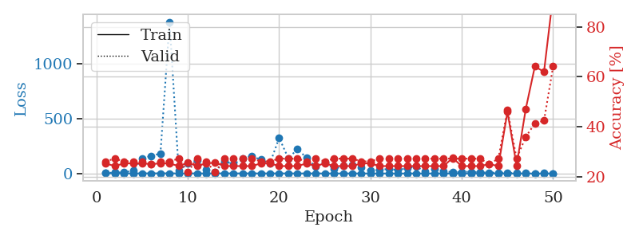
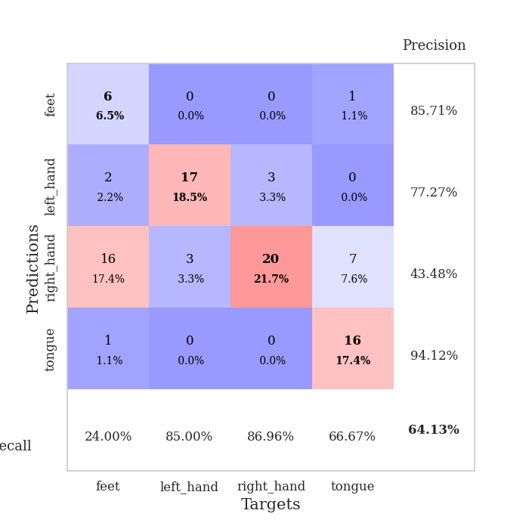
train_loss | valid_loss | train_accuracy | valid_accuracy | dur | train_misclass | valid_misclass
2.8511846273 | 3.0713687254 | 0.2527173913 | 0.26086956522 | 0.10946440697 | 25.27173913 | 26.086956522
1.3809942163 | 10.02904581 | 0.24184782609 | 0.27173913043 | 0.10585069656 | 24.184782609 | 27.173913043
1.0634468846 | 9.5941635215 | 0.2527173913 | 0.26086956522 | 0.11048769951 | 25.27173913 | 26.086956522
1.1393571366 | 25.567249464 | 0.2527173913 | 0.26086956522 | 0.10866618156 | 25.27173913 | 26.086956522
1.0634621252 | 138.76196687 | 0.2527173913 | 0.26086956522 | 0.1139690876 | 25.27173913 | 26.086956522
1.2836651025 | 160.77751558 | 0.25 | 0.25 | 0.10382628441 | 25 | 25
1.2207856023 | 182.50440117 | 0.2527173913 | 0.26086956522 | 0.10188007355 | 25.27173913 | 26.086956522
1.1364252736 | 1386.0659657 | 0.2527173913 | 0.26086956522 | 0.099226951599 | 25.27173913 | 26.086956522
0.82953464726 | 24.333164464 | 0.24184782609 | 0.27173913043 | 0.098842144012 | 24.184782609 | 27.173913043
0.83689716458 | 93.209650454 | 0.25543478261 | 0.21739130435 | 0.098835706711 | 25.543478261 | 21.739130435
0.8564823218 | 119.58845288 | 0.24184782609 | 0.27173913043 | 0.098911046982 | 24.184782609 | 27.173913043
0.71539970325 | 37.869039618 | 0.2527173913 | 0.26086956522 | 0.098800897598 | 25.27173913 | 26.086956522
0.7255037712 | 13.833632428 | 0.25543478261 | 0.21739130435 | 0.098956108093 | 25.543478261 | 21.739130435
0.83181831759 | 113.09338744 | 0.24184782609 | 0.27173913043 | 0.098832130432 | 24.184782609 | 27.173913043
0.79492482932 | 83.343293231 | 0.24184782609 | 0.27173913043 | 0.09906578064 | 24.184782609 | 27.173913043
0.70572735693 | 137.10589533 | 0.24184782609 | 0.27173913043 | 0.098609685898 | 24.184782609 | 27.173913043
0.60852518289 | 156.72522172 | 0.24184782609 | 0.27173913043 | 0.09872341156 | 24.184782609 | 27.173913043
0.60205007766 | 126.40637273 | 0.2527173913 | 0.26086956522 | 0.098588943481 | 25.27173913 | 26.086956522
0.55816819162 | 92.752246691 | 0.2527173913 | 0.26086956522 | 0.098935842514 | 25.27173913 | 26.086956522
0.64144500637 | 326.52797002 | 0.24184782609 | 0.27173913043 | 0.098915815353 | 24.184782609 | 27.173913043
0.55468283594 | 139.62946817 | 0.24184782609 | 0.27173913043 | 0.098758935928 | 24.184782609 | 27.173913043
0.59716076695 | 221.05535889 | 0.24184782609 | 0.27173913043 | 0.10956192017 | 24.184782609 | 27.173913043
0.43558265658 | 144.95071477 | 0.2527173913 | 0.26086956522 | 0.10947370529 | 25.27173913 | 26.086956522
0.40078093954 | 61.10773468 | 0.24184782609 | 0.27173913043 | 0.11257600784 | 24.184782609 | 27.173913043
0.42207887121 | 103.34099015 | 0.2527173913 | 0.26086956522 | 0.10935807228 | 25.27173913 | 26.086956522
0.35811794096 | 39.059591708 | 0.24184782609 | 0.27173913043 | 0.10854840279 | 24.184782609 | 27.173913043
0.3593738186 | 68.155175582 | 0.24184782609 | 0.27173913043 | 0.11236190796 | 24.184782609 | 27.173913043
0.36430515284 | 77.943795909 | 0.24184782609 | 0.27173913043 | 0.10374069214 | 24.184782609 | 27.173913043
0.37519075624 | 57.42481381 | 0.2527173913 | 0.26086956522 | 0.11131238937 | 25.27173913 | 26.086956522
0.3972975508 | 24.065696965 | 0.2527173913 | 0.26086956522 | 0.11258125305 | 25.27173913 | 26.086956522
0.28817719675 | 34.050561159 | 0.24184782609 | 0.27173913043 | 0.10639405251 | 24.184782609 | 27.173913043
0.28562179564 | 41.043428338 | 0.24184782609 | 0.27173913043 | 0.10637903214 | 24.184782609 | 27.173913043
0.18501206358 | 31.152875486 | 0.24184782609 | 0.27173913043 | 0.11019682884 | 24.184782609 | 27.173913043
0.19462217763 | 47.800568954 | 0.24184782609 | 0.27173913043 | 0.11286234856 | 24.184782609 | 27.173913043
0.21307637721 | 62.1762828 | 0.24184782609 | 0.27173913043 | 0.11206483841 | 24.184782609 | 27.173913043
0.18948211853 | 17.350499526 | 0.24184782609 | 0.27173913043 | 0.10948324203 | 24.184782609 | 27.173913043
0.13447558734 | 38.480649368 | 0.24184782609 | 0.27173913043 | 0.10946559906 | 24.184782609 | 27.173913043
0.13460021134 | 23.592213838 | 0.24184782609 | 0.27173913043 | 0.11181139946 | 24.184782609 | 27.173913043
0.14818437438 | 10.027886888 | 0.27445652174 | 0.27173913043 | 0.1089849472 | 27.445652174 | 27.173913043
0.11252508231 | 14.582263449 | 0.24184782609 | 0.27173913043 | 0.10825634003 | 24.184782609 | 27.173913043
0.11508703702 | 15.180363945 | 0.24184782609 | 0.27173913043 | 0.10946130753 | 24.184782609 | 27.173913043
0.1350682411 | 11.077578793 | 0.24184782609 | 0.27173913043 | 0.11318254471 | 24.184782609 | 27.173913043
0.15466203954 | 6.9076583489 | 0.25 | 0.25 | 0.10886311531 | 25 | 25
0.1067794397 | 9.0394214962 | 0.24184782609 | 0.27173913043 | 0.10958313942 | 24.184782609 | 27.173913043
0.12932945711 | 5.1741415936 | 0.45923913043 | 0.46739130435 | 0.11298704147 | 45.923913043 | 46.739130435
0.10158774538 | 6.3422640718 | 0.24456521739 | 0.27173913043 | 0.11051082611 | 24.456521739 | 27.173913043
0.10642861291 | 2.3664708448 | 0.47010869565 | 0.35869565217 | 0.10900211334 | 47.010869565 | 35.869565217
0.088098487533 | 1.7399229589 | 0.64130434783 | 0.41304347826 | 0.10930275917 | 64.130434783 | 41.304347826
0.10524160075 | 2.1854496002 | 0.61956521739 | 0.42391304348 | 0.11453604698 | 61.956521739 | 42.391304348
0.088252157054 | 1.210488024 | 0.92663043478 | 0.64130434783 | 0.11238312721 | 92.663043478 | 64.130434783

Best Val accuracy is 0.6413043478260869 and Best test accuracy is 0.6293103448275862

Sheet6
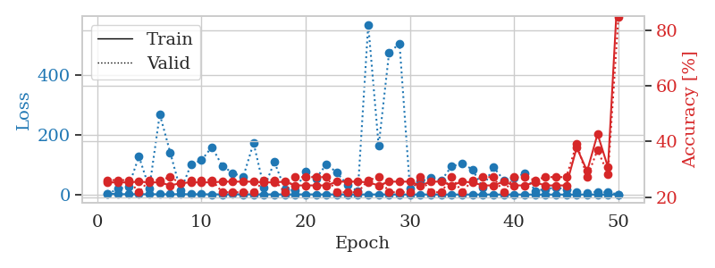
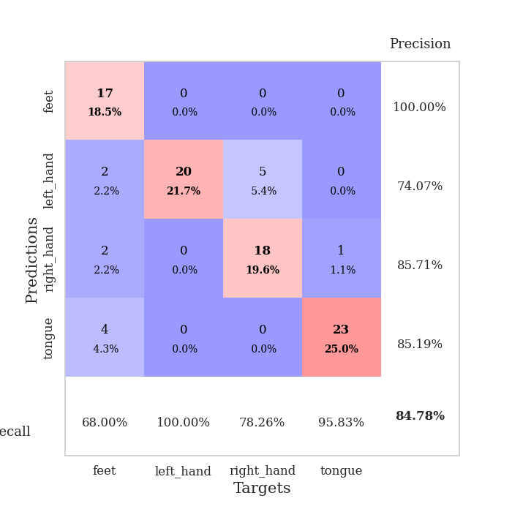
train_loss | valid_loss | train_accuracy | valid_accuracy | dur | train_misclass | valid_misclass
3.2466955962 | 1.9971305391 | 0.2527173913 | 0.26086956522 | 0.10965394974 | 25.27173913 | 26.086956522
1.2516525725 | 19.019745205 | 0.2527173913 | 0.26086956522 | 0.11191439629 | 25.27173913 | 26.086956522
1.2308153899 | 26.022538475 | 0.2527173913 | 0.26086956522 | 0.10696744919 | 25.27173913 | 26.086956522
1.1041662408 | 127.54782038 | 0.25543478261 | 0.21739130435 | 0.10917043686 | 25.543478261 | 21.739130435
1.0277582692 | 21.275872852 | 0.2527173913 | 0.26086956522 | 0.10663151741 | 25.27173913 | 26.086956522
0.96801645989 | 269.14719159 | 0.2527173913 | 0.26086956522 | 0.10793638229 | 25.27173913 | 26.086956522
1.1161587549 | 140.996383 | 0.24184782609 | 0.27173913043 | 0.10957741737 | 24.184782609 | 27.173913043
1.2156339676 | 13.042012546 | 0.25 | 0.25 | 0.10673189163 | 25 | 25
1.0423028184 | 100.46045685 | 0.2527173913 | 0.26086956522 | 0.10612392426 | 25.27173913 | 26.086956522
0.94071237678 | 114.83944039 | 0.2527173913 | 0.26086956522 | 0.11250734329 | 25.27173913 | 26.086956522
0.77897550749 | 159.387623 | 0.2527173913 | 0.26086956522 | 0.1093621254 | 25.27173913 | 26.086956522
0.63726449272 | 95.573664458 | 0.25543478261 | 0.21739130435 | 0.10912656784 | 25.543478261 | 21.739130435
0.82309602654 | 72.607664689 | 0.25543478261 | 0.21739130435 | 0.11329865456 | 25.543478261 | 21.739130435
0.71624182229 | 58.399065101 | 0.25543478261 | 0.21739130435 | 0.1088347435 | 25.543478261 | 21.739130435
0.76311547536 | 172.77980373 | 0.25543478261 | 0.21739130435 | 0.1065864563 | 25.543478261 | 21.739130435
0.70216951033 | 21.80948216 | 0.2527173913 | 0.26086956522 | 0.10855960846 | 25.27173913 | 26.086956522
0.53311691466 | 109.14017951 | 0.2527173913 | 0.26086956522 | 0.10928177834 | 25.27173913 | 26.086956522
0.60092854241 | 18.395507895 | 0.25543478261 | 0.21739130435 | 0.10582590103 | 25.543478261 | 21.739130435
0.51615384092 | 13.567137345 | 0.24184782609 | 0.27173913043 | 0.10855531693 | 24.184782609 | 27.173913043
0.68274167828 | 78.099854179 | 0.24184782609 | 0.27173913043 | 0.11290955544 | 24.184782609 | 27.173913043
0.51501906955 | 54.632192529 | 0.24184782609 | 0.27173913043 | 0.10898780823 | 24.184782609 | 27.173913043
0.45025300591 | 102.0256958 | 0.24184782609 | 0.27173913043 | 0.10324311256 | 24.184782609 | 27.173913043
0.4640661802 | 72.826172207 | 0.25543478261 | 0.21739130435 | 0.11196017265 | 25.543478261 | 21.739130435
0.42229884085 | 32.327179453 | 0.25543478261 | 0.21739130435 | 0.11214876175 | 25.543478261 | 21.739130435
0.35807849499 | 10.756525579 | 0.25543478261 | 0.21739130435 | 0.10883831978 | 25.543478261 | 21.739130435
0.41490807287 | 569.47628651 | 0.2527173913 | 0.26086956522 | 0.10902070999 | 25.27173913 | 26.086956522
0.42109954681 | 162.93316584 | 0.24184782609 | 0.27173913043 | 0.10908532143 | 24.184782609 | 27.173913043
0.38080504051 | 475.57574198 | 0.25543478261 | 0.21739130435 | 0.11129617691 | 25.543478261 | 21.739130435
0.28108321778 | 505.57614799 | 0.25543478261 | 0.21739130435 | 0.10657477379 | 25.543478261 | 21.739130435
0.25102464531 | 20.324630157 | 0.25543478261 | 0.21739130435 | 0.10878610611 | 25.543478261 | 21.739130435
0.28791366177 | 43.007002291 | 0.24184782609 | 0.27173913043 | 0.1053776741 | 24.184782609 | 27.173913043
0.2924218539 | 56.522479845 | 0.25543478261 | 0.21739130435 | 0.1164484024 | 25.543478261 | 21.739130435
0.25823231009 | 46.464153787 | 0.25543478261 | 0.21739130435 | 0.10885095596 | 25.543478261 | 21.739130435
0.1841158087 | 95.067430911 | 0.24184782609 | 0.27173913043 | 0.10939741135 | 24.184782609 | 27.173913043
0.16342401602 | 103.34633603 | 0.25543478261 | 0.21739130435 | 0.10909485817 | 25.543478261 | 21.739130435
0.1688712083 | 84.169253142 | 0.2527173913 | 0.26086956522 | 0.11552262306 | 25.27173913 | 26.086956522
0.14906306929 | 22.049692154 | 0.24184782609 | 0.27173913043 | 0.10308551788 | 24.184782609 | 27.173913043
0.16133278398 | 92.801358099 | 0.24184782609 | 0.27173913043 | 0.11258435249 | 24.184782609 | 27.173913043
0.13571421093 | 48.456229168 | 0.25543478261 | 0.21739130435 | 0.11149120331 | 25.543478261 | 21.739130435
0.17672166423 | 55.166107344 | 0.24184782609 | 0.27173913043 | 0.11538100243 | 24.184782609 | 27.173913043
0.10570844425 | 69.857245736 | 0.24184782609 | 0.27173913043 | 0.10928010941 | 24.184782609 | 27.173913043
0.082350152059 | 12.759377231 | 0.2527173913 | 0.26086956522 | 0.10909938812 | 25.27173913 | 26.086956522
0.14331599932 | 18.132057273 | 0.24184782609 | 0.27173913043 | 0.10974574089 | 24.184782609 | 27.173913043
0.11803388523 | 23.313620111 | 0.24184782609 | 0.27173913043 | 0.10901498795 | 24.184782609 | 27.173913043
0.12004340845 | 17.478911773 | 0.24184782609 | 0.27173913043 | 0.10922574997 | 24.184782609 | 27.173913043
0.099470310075 | 9.0547159858 | 0.3777173913 | 0.39130434783 | 0.11308193207 | 37.77173913 | 39.130434783
0.17802516436 | 5.7026905599 | 0.29347826087 | 0.27173913043 | 0.10602974892 | 29.347826087 | 27.173913043
0.095094281816 | 9.2623218453 | 0.42663043478 | 0.36956521739 | 0.11176252365 | 42.663043478 | 36.956521739
0.083701797154 | 6.9441924095 | 0.30706521739 | 0.28260869565 | 0.10613226891 | 30.706521739 | 28.260869565
0.11408912747 | 0.71980160993 | 0.99184782609 | 0.84782608696 | 0.10616445541 | 99.184782609 | 84.782608696

Best Val accuracy is 0.8478260869565217 and Best test accuracy is 0.7931034482758621

Sheet7
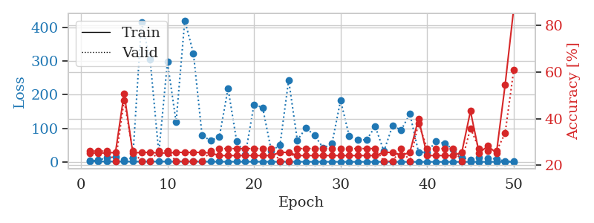
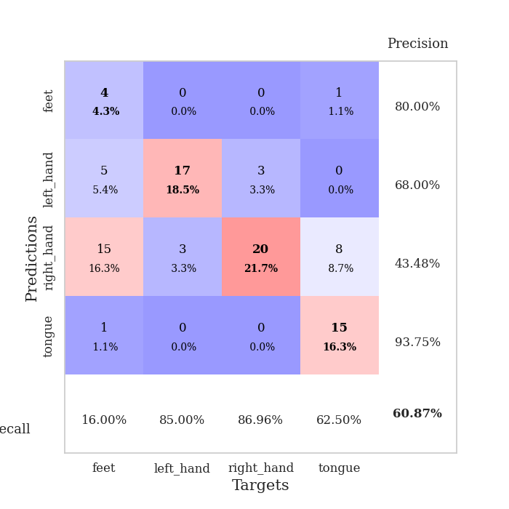
train_loss | valid_loss | train_accuracy | valid_accuracy | dur | train_misclass | valid_misclass
3.0265154476 | 1.6554263571 | 0.2527173913 | 0.26086956522 | 0.10812401772 | 25.27173913 | 26.086956522
1.3713385903 | 5.2642459662 | 0.2527173913 | 0.26086956522 | 0.10609483719 | 25.27173913 | 26.086956522
1.3048306963 | 12.239967222 | 0.2527173913 | 0.26086956522 | 0.10945391655 | 25.27173913 | 26.086956522
1.2417954466 | 14.954201781 | 0.25543478261 | 0.21739130435 | 0.10933804512 | 25.543478261 | 21.739130435
1.1038398509 | 5.812277939 | 0.50815217391 | 0.47826086957 | 0.10860466957 | 50.815217391 | 47.826086957
0.9803015512 | 11.736550248 | 0.2527173913 | 0.26086956522 | 0.11177945137 | 25.27173913 | 26.086956522
1.0119442888 | 415.75618976 | 0.25543478261 | 0.21739130435 | 0.11658525467 | 25.543478261 | 21.739130435
1.2404013017 | 303.96100252 | 0.25543478261 | 0.21739130435 | 0.10873436928 | 25.543478261 | 21.739130435
1.1222150326 | 26.306366713 | 0.2527173913 | 0.26086956522 | 0.10466170311 | 25.27173913 | 26.086956522
1.175772343 | 297.41452026 | 0.2527173913 | 0.26086956522 | 0.11049342155 | 25.27173913 | 26.086956522
1.0112929448 | 118.16339012 | 0.25543478261 | 0.21739130435 | 0.10878753662 | 25.543478261 | 21.739130435
0.99024548479 | 420.27317346 | 0.25543478261 | 0.21739130435 | 0.113676548 | 25.543478261 | 21.739130435
0.94211162562 | 322.89573736 | 0.25543478261 | 0.21739130435 | 0.10581445694 | 25.543478261 | 21.739130435
0.75789805858 | 78.655396835 | 0.25543478261 | 0.21739130435 | 0.10871934891 | 25.543478261 | 21.739130435
0.78072301201 | 62.884451991 | 0.2527173913 | 0.26086956522 | 0.10565543175 | 25.27173913 | 26.086956522
0.64791041483 | 75.163818691 | 0.24184782609 | 0.27173913043 | 0.10873436928 | 24.184782609 | 27.173913043
0.62616703692 | 218.34581458 | 0.24184782609 | 0.27173913043 | 0.10941505432 | 24.184782609 | 27.173913043
0.63614216771 | 60.611100736 | 0.24184782609 | 0.27173913043 | 0.10546827316 | 24.184782609 | 27.173913043
0.65572207648 | 22.117498398 | 0.24184782609 | 0.27173913043 | 0.10486364365 | 24.184782609 | 27.173913043
0.64702887509 | 170.60032786 | 0.24184782609 | 0.27173913043 | 0.10549616814 | 24.184782609 | 27.173913043
0.57290348151 | 161.12981116 | 0.24184782609 | 0.27173913043 | 0.11466240883 | 24.184782609 | 27.173913043
0.53003786634 | 32.710609436 | 0.24184782609 | 0.27173913043 | 0.11189341545 | 24.184782609 | 27.173913043
0.47008628625 | 49.944154325 | 0.25543478261 | 0.21739130435 | 0.10508441925 | 25.543478261 | 21.739130435
0.5359939408 | 243.39811906 | 0.25543478261 | 0.21739130435 | 0.10991096497 | 25.543478261 | 21.739130435
0.49560777908 | 64.44196021 | 0.24184782609 | 0.27173913043 | 0.10640788078 | 24.184782609 | 27.173913043
0.44136421706 | 100.67289701 | 0.24184782609 | 0.27173913043 | 0.10863661766 | 24.184782609 | 27.173913043
0.4630418219 | 78.55483478 | 0.24184782609 | 0.27173913043 | 0.10619878769 | 24.184782609 | 27.173913043
0.42500824449 | 40.901479306 | 0.24184782609 | 0.27173913043 | 0.11629867554 | 24.184782609 | 27.173913043
0.34568573437 | 54.340699735 | 0.24184782609 | 0.27173913043 | 0.11171221733 | 24.184782609 | 27.173913043
0.32064100387 | 182.84665381 | 0.24184782609 | 0.27173913043 | 0.10896635056 | 24.184782609 | 27.173913043
0.31250580991 | 75.964711065 | 0.24184782609 | 0.27173913043 | 0.10630631447 | 24.184782609 | 27.173913043
0.29261258115 | 65.679729628 | 0.24184782609 | 0.27173913043 | 0.11432003975 | 24.184782609 | 27.173913043
0.26424590255 | 65.415295808 | 0.24184782609 | 0.27173913043 | 0.108284235 | 24.184782609 | 27.173913043
0.2849572275 | 105.40989221 | 0.24184782609 | 0.27173913043 | 0.10703706741 | 24.184782609 | 27.173913043
0.195023342 | 31.657506528 | 0.25543478261 | 0.21739130435 | 0.10971403122 | 25.543478261 | 21.739130435
0.21174697205 | 107.56276504 | 0.25543478261 | 0.21739130435 | 0.10968923569 | 25.543478261 | 21.739130435
0.19846416945 | 94.741496542 | 0.24184782609 | 0.27173913043 | 0.10947537422 | 24.184782609 | 27.173913043
0.17779852498 | 142.74615678 | 0.25543478261 | 0.21739130435 | 0.10654211044 | 25.543478261 | 21.739130435
0.15507513252 | 29.170112942 | 0.39945652174 | 0.38043478261 | 0.10648226738 | 39.945652174 | 38.043478261
0.16314616354 | 28.444338757 | 0.24184782609 | 0.27173913043 | 0.10925960541 | 24.184782609 | 27.173913043
0.17356898567 | 61.122724782 | 0.24184782609 | 0.27173913043 | 0.11387968063 | 24.184782609 | 27.173913043
0.12016785825 | 54.929145979 | 0.24184782609 | 0.27173913043 | 0.11255717278 | 24.184782609 | 27.173913043
0.11279359112 | 37.52910813 | 0.24184782609 | 0.27173913043 | 0.1118144989 | 24.184782609 | 27.173913043
0.10149839589 | 12.767348248 | 0.25543478261 | 0.21739130435 | 0.10996961594 | 25.543478261 | 21.739130435
0.11721932945 | 6.5643970448 | 0.43206521739 | 0.35869565217 | 0.10540914536 | 43.206521739 | 35.869565217
0.12629534166 | 12.642062602 | 0.2527173913 | 0.27173913043 | 0.11237215996 | 25.27173913 | 27.173913043
0.171034431 | 10.309048694 | 0.28260869565 | 0.26086956522 | 0.10665774345 | 28.260869565 | 26.086956522
0.16335505126 | 9.1607953362 | 0.2527173913 | 0.26086956522 | 0.10311818123 | 25.27173913 | 26.086956522
0.1146332982 | 1.5247858659 | 0.54347826087 | 0.33695652174 | 0.10346961021 | 54.347826087 | 33.695652174
0.11114300804 | 1.3580243898 | 0.8722826087 | 0.60869565217 | 0.10306167603 | 87.22826087 | 60.869565217

Best Val accuracy is 0.6086956521739131 and Best test accuracy is 0.646551724137931

Sheet8
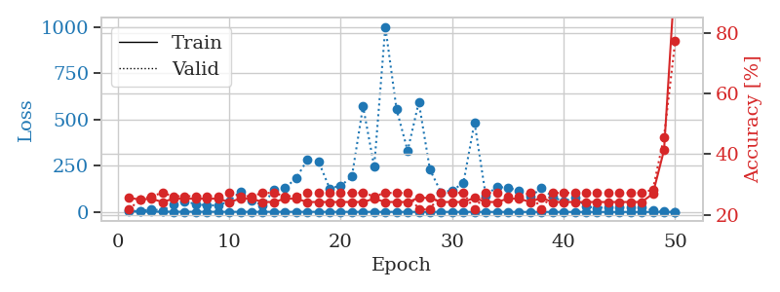
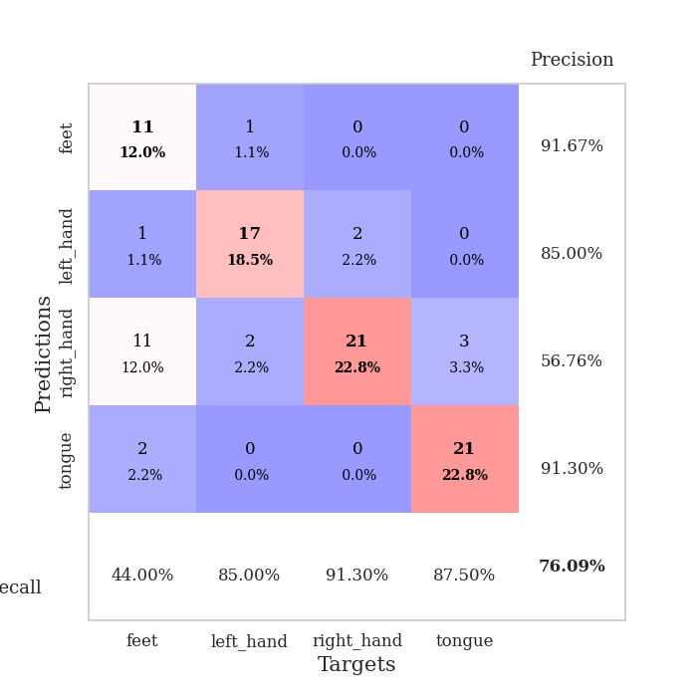
train_loss | valid_loss | train_accuracy | valid_accuracy | dur | train_misclass | valid_misclass
3.3140537169 | 7.7781949251 | 0.25543478261 | 0.21739130435 | 0.10775470734 | 25.543478261 | 21.739130435
1.563302973 | 3.1974300716 | 0.25 | 0.25 | 0.10942149162 | 25 | 25
1.605139722 | 15.835246542 | 0.2527173913 | 0.26086956522 | 0.10798621178 | 25.27173913 | 26.086956522
1.3442912594 | 6.3463482235 | 0.24184782609 | 0.27173913043 | 0.099083662033 | 24.184782609 | 27.173913043
1.1853857507 | 43.106377643 | 0.2527173913 | 0.26086956522 | 0.099459171295 | 25.27173913 | 26.086956522
1.1398625788 | 58.188086966 | 0.2527173913 | 0.26086956522 | 0.099314451218 | 25.27173913 | 26.086956522
1.1282428088 | 41.764780459 | 0.2527173913 | 0.26086956522 | 0.10193252563 | 25.27173913 | 26.086956522
1.0019688775 | 35.699457915 | 0.2527173913 | 0.26086956522 | 0.098124027252 | 25.27173913 | 26.086956522
1.024814826 | 35.885682977 | 0.2527173913 | 0.26086956522 | 0.09844827652 | 25.27173913 | 26.086956522
0.79940358841 | 57.343884344 | 0.24184782609 | 0.27173913043 | 0.098223924637 | 24.184782609 | 27.173913043
0.82802984766 | 111.32659083 | 0.2527173913 | 0.26086956522 | 0.098482608795 | 25.27173913 | 26.086956522
0.75189847402 | 62.291535917 | 0.2527173913 | 0.26086956522 | 0.098430395126 | 25.27173913 | 26.086956522
0.79952580514 | 35.077805561 | 0.24184782609 | 0.27173913043 | 0.098513841629 | 24.184782609 | 27.173913043
0.75283577779 | 119.44239343 | 0.24184782609 | 0.27173913043 | 0.098505496979 | 24.184782609 | 27.173913043
0.74013922525 | 128.80410037 | 0.2527173913 | 0.26086956522 | 0.098391771317 | 25.27173913 | 26.086956522
0.6951791359 | 182.72815008 | 0.2527173913 | 0.26086956522 | 0.09835100174 | 25.27173913 | 26.086956522
0.76560101626 | 281.27204563 | 0.24184782609 | 0.27173913043 | 0.10552620888 | 24.184782609 | 27.173913043
0.6261176143 | 274.6583451 | 0.24184782609 | 0.27173913043 | 0.1128783226 | 24.184782609 | 27.173913043
0.70606388216 | 127.55705925 | 0.24184782609 | 0.27173913043 | 0.10458755493 | 24.184782609 | 27.173913043
0.56427245555 | 141.43484829 | 0.24184782609 | 0.27173913043 | 0.10596013069 | 24.184782609 | 27.173913043
0.64136477268 | 191.3842727 | 0.24184782609 | 0.27173913043 | 0.11716246605 | 24.184782609 | 27.173913043
0.48357123331 | 571.55085025 | 0.24184782609 | 0.27173913043 | 0.10786318779 | 24.184782609 | 27.173913043
0.42283728654 | 244.4349949 | 0.2527173913 | 0.26086956522 | 0.10627627373 | 25.27173913 | 26.086956522
0.44489784571 | 1000.8388672 | 0.24184782609 | 0.27173913043 | 0.10592389107 | 24.184782609 | 27.173913043
0.44696393674 | 555.76888905 | 0.24184782609 | 0.27173913043 | 0.10782599449 | 24.184782609 | 27.173913043
0.42701635348 | 331.02547422 | 0.24184782609 | 0.27173913043 | 0.10834097862 | 24.184782609 | 27.173913043
0.38664740194 | 593.20828645 | 0.25543478261 | 0.21739130435 | 0.10663056374 | 25.543478261 | 21.739130435
0.36524769194 | 228.96442314 | 0.25543478261 | 0.21739130435 | 0.11140966415 | 25.543478261 | 21.739130435
0.38969292913 | 105.34236742 | 0.24184782609 | 0.27173913043 | 0.10434889793 | 24.184782609 | 27.173913043
0.34861411511 | 116.98327968 | 0.24184782609 | 0.27173913043 | 0.10783290863 | 24.184782609 | 27.173913043
0.3087641234 | 155.72685308 | 0.24184782609 | 0.27173913043 | 0.10092258453 | 24.184782609 | 27.173913043
0.33820181862 | 484.40567945 | 0.25543478261 | 0.21739130435 | 0.099840164185 | 25.543478261 | 21.739130435
0.25104008866 | 90.589419158 | 0.24184782609 | 0.27173913043 | 0.1019141674 | 24.184782609 | 27.173913043
0.23681705154 | 134.23866803 | 0.24184782609 | 0.27173913043 | 0.10894489288 | 24.184782609 | 27.173913043
0.21131258587 | 132.5463091 | 0.2527173913 | 0.26086956522 | 0.10869526863 | 25.27173913 | 26.086956522
0.20425897869 | 112.62173329 | 0.2527173913 | 0.26086956522 | 0.10784697533 | 25.27173913 | 26.086956522
0.15561375087 | 81.725128174 | 0.24184782609 | 0.27173913043 | 0.11365008354 | 24.184782609 | 27.173913043
0.16997935056 | 128.9150238 | 0.25543478261 | 0.21739130435 | 0.10200643539 | 25.543478261 | 21.739130435
0.13910598162 | 81.887802787 | 0.24184782609 | 0.27173913043 | 0.10878777504 | 24.184782609 | 27.173913043
0.15806870835 | 56.174412271 | 0.24184782609 | 0.27173913043 | 0.11641597748 | 24.184782609 | 27.173913043
0.090609702747 | 79.962711168 | 0.24184782609 | 0.27173913043 | 0.10450816154 | 24.184782609 | 27.173913043
0.13441836534 | 28.873485897 | 0.24184782609 | 0.27173913043 | 0.1127038002 | 24.184782609 | 27.173913043
0.087404467084 | 22.154555611 | 0.24184782609 | 0.27173913043 | 0.11083769798 | 24.184782609 | 27.173913043
0.10253873338 | 25.06274555 | 0.24184782609 | 0.27173913043 | 0.11403179169 | 24.184782609 | 27.173913043
0.085263457595 | 25.224491368 | 0.24184782609 | 0.27173913043 | 0.11154055595 | 24.184782609 | 27.173913043
0.1093667071 | 25.676074484 | 0.24184782609 | 0.27173913043 | 0.11156249046 | 24.184782609 | 27.173913043
0.1242036553 | 23.132962351 | 0.24184782609 | 0.27173913043 | 0.10180735588 | 24.184782609 | 27.173913043
0.13672916101 | 8.8832919494 | 0.26902173913 | 0.28260869565 | 0.11521744728 | 26.902173913 | 28.260869565
0.13456658444 | 1.5401009529 | 0.41304347826 | 0.45652173913 | 0.10863184929 | 41.304347826 | 45.652173913
0.11723435006 | 0.82693255207 | 0.99456521739 | 0.77173913043 | 0.10261797905 | 99.456521739 | 77.173913043

Best Val accuracy is 0.7717391304347826 and Best test accuracy is 0.7155172413793104

Sheet9
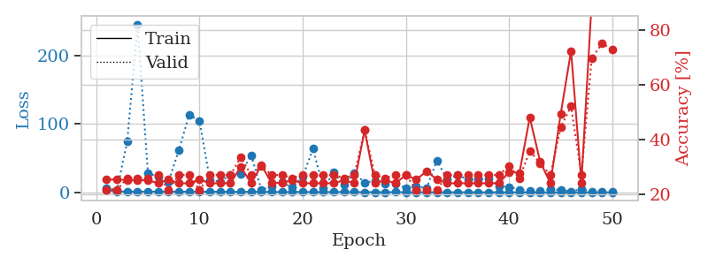
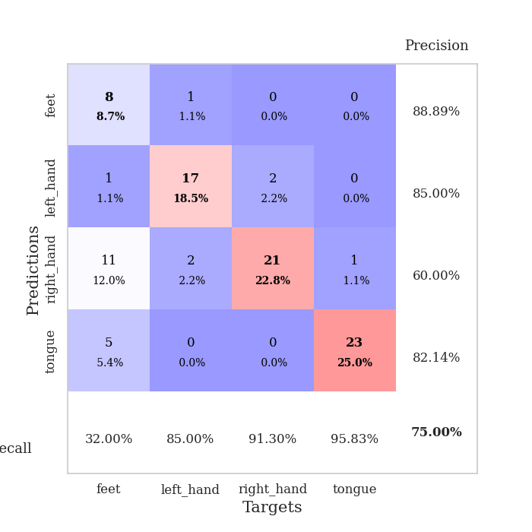
train_loss | valid_loss | train_accuracy | valid_accuracy | dur | train_misclass | valid_misclass
3.4292309258 | 6.8391882233 | 0.25543478261 | 0.21739130435 | 0.099770545959 | 25.543478261 | 21.739130435
1.3676246094 | 2.8456782465 | 0.25543478261 | 0.21739130435 | 0.098438262939 | 25.543478261 | 21.739130435
1.1268380984 | 74.882498368 | 0.2527173913 | 0.26086956522 | 0.099517822266 | 25.27173913 | 26.086956522
1.0213453925 | 245.80375605 | 0.2527173913 | 0.26086956522 | 0.1004383564 | 25.27173913 | 26.086956522
1.2723421817 | 28.55341165 | 0.2527173913 | 0.26086956522 | 0.10120773315 | 25.27173913 | 26.086956522
1.1013001903 | 22.423559852 | 0.24184782609 | 0.27173913043 | 0.10112595558 | 24.184782609 | 27.173913043
1.0034488725 | 15.82933484 | 0.25543478261 | 0.21739130435 | 0.12210893631 | 25.543478261 | 21.739130435
1.069645949 | 61.669000709 | 0.24184782609 | 0.27173913043 | 0.1032781601 | 24.184782609 | 27.173913043
0.94691859121 | 113.62862662 | 0.24184782609 | 0.27173913043 | 0.110861063 | 24.184782609 | 27.173913043
0.79444847029 | 104.4810937 | 0.25543478261 | 0.21739130435 | 0.10181641579 | 25.543478261 | 21.739130435
0.94327182096 | 18.353492073 | 0.24184782609 | 0.27173913043 | 0.10525631905 | 24.184782609 | 27.173913043
0.93248459826 | 15.74919767 | 0.24184782609 | 0.27173913043 | 0.10119223595 | 24.184782609 | 27.173913043
0.83799909379 | 25.563927277 | 0.24184782609 | 0.27173913043 | 0.1029343605 | 24.184782609 | 27.173913043
0.72209837255 | 26.93018963 | 0.30163043478 | 0.33695652174 | 0.10875535011 | 30.163043478 | 33.695652174
0.83712766222 | 54.592248834 | 0.24184782609 | 0.27173913043 | 0.10623764992 | 24.184782609 | 27.173913043
0.79342152502 | 3.9566747313 | 0.30706521739 | 0.30434782609 | 0.10748338699 | 30.706521739 | 30.434782609
0.63401882156 | 8.6783648367 | 0.24184782609 | 0.27173913043 | 0.10626077652 | 24.184782609 | 27.173913043
0.53854401798 | 14.974504388 | 0.24456521739 | 0.27173913043 | 0.10667967796 | 24.456521739 | 27.173913043
0.58818584162 | 6.8941502778 | 0.2527173913 | 0.26086956522 | 0.10796999931 | 25.27173913 | 26.086956522
0.65659722556 | 23.108680642 | 0.24184782609 | 0.27173913043 | 0.11065840721 | 24.184782609 | 27.173913043
0.51560567125 | 63.914646812 | 0.24184782609 | 0.27173913043 | 0.10738062859 | 24.184782609 | 27.173913043
0.41782608142 | 5.5739010521 | 0.24184782609 | 0.27173913043 | 0.10371446609 | 24.184782609 | 27.173913043
0.55810479172 | 29.061716743 | 0.24184782609 | 0.27173913043 | 0.1038377285 | 24.184782609 | 27.173913043
0.58062662832 | 10.793846628 | 0.2527173913 | 0.26086956522 | 0.10655403137 | 25.27173913 | 26.086956522
0.4051575732 | 27.90737716 | 0.24184782609 | 0.27173913043 | 0.10306096077 | 24.184782609 | 27.173913043
0.36731231699 | 14.45905304 | 0.4347826087 | 0.4347826087 | 0.1057100296 | 43.47826087 | 43.47826087
0.33450582235 | 16.708851192 | 0.24184782609 | 0.27173913043 | 0.10517406464 | 24.184782609 | 27.173913043
0.30618206444 | 12.49627018 | 0.2527173913 | 0.26086956522 | 0.10841703415 | 25.27173913 | 26.086956522
0.40595790906 | 12.19773052 | 0.24184782609 | 0.27173913043 | 0.099915266037 | 24.184782609 | 27.173913043
0.22696174292 | 6.5893089668 | 0.27173913043 | 0.27173913043 | 0.10114312172 | 27.173913043 | 27.173913043
0.2329488902 | 8.6989326062 | 0.25543478261 | 0.21739130435 | 0.10677027702 | 25.543478261 | 21.739130435
0.23043373114 | 6.1312520193 | 0.28532608696 | 0.21739130435 | 0.10512113571 | 28.532608696 | 21.739130435
0.19682464959 | 46.539766892 | 0.25543478261 | 0.21739130435 | 0.10720276833 | 25.543478261 | 21.739130435
0.17891982684 | 18.73755795 | 0.24184782609 | 0.27173913043 | 0.10735297203 | 24.184782609 | 27.173913043
0.18550716802 | 25.297680647 | 0.24184782609 | 0.27173913043 | 0.10057258606 | 24.184782609 | 27.173913043
0.16200058737 | 19.031179594 | 0.24184782609 | 0.27173913043 | 0.10246658325 | 24.184782609 | 27.173913043
0.11746570662 | 18.9426753 | 0.24184782609 | 0.27173913043 | 0.10105538368 | 24.184782609 | 27.173913043
0.14553517856 | 20.484008872 | 0.24184782609 | 0.27173913043 | 0.11127519608 | 24.184782609 | 27.173913043
0.14030416407 | 9.1800705454 | 0.24184782609 | 0.27173913043 | 0.11219930649 | 24.184782609 | 27.173913043
0.15495825267 | 8.1220328704 | 0.28260869565 | 0.30434782609 | 0.11112785339 | 28.260869565 | 30.434782609
0.14962797669 | 4.2410805744 | 0.27989130435 | 0.26086956522 | 0.11129689217 | 27.989130435 | 26.086956522
0.12030732462 | 2.1035833255 | 0.48097826087 | 0.35869565217 | 0.10790395737 | 48.097826087 | 35.869565217
0.093567756774 | 1.742081808 | 0.32065217391 | 0.3152173913 | 0.10224914551 | 32.065217391 | 31.52173913
0.12044435481 | 4.6332191799 | 0.24184782609 | 0.27173913043 | 0.10751032829 | 24.184782609 | 27.173913043
0.075396167216 | 3.615044428 | 0.49456521739 | 0.44565217391 | 0.10612750053 | 49.456521739 | 44.565217391
0.087040314734 | 1.6011632992 | 0.72282608696 | 0.52173913043 | 0.1034913063 | 72.282608696 | 52.173913043
0.097461808311 | 4.8112684333 | 0.24456521739 | 0.27173913043 | 0.10733985901 | 24.456521739 | 27.173913043
0.10626624055 | 0.88735596771 | 0.90217391304 | 0.69565217391 | 0.1066224575 | 90.217391304 | 69.565217391
0.081479497051 | 0.97793196336 | 1 | 0.75 | 0.10758256912 | 100 | 75
0.099948312844 | 1.096614861 | 0.99456521739 | 0.72826086957 | 0.10788941383 | 99.456521739 | 72.826086957

Best Val accuracy is 0.75 and Best test accuracy is 0.7241379310344828

Sheet10
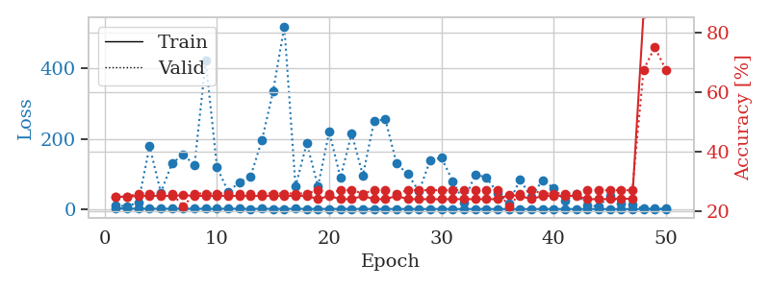
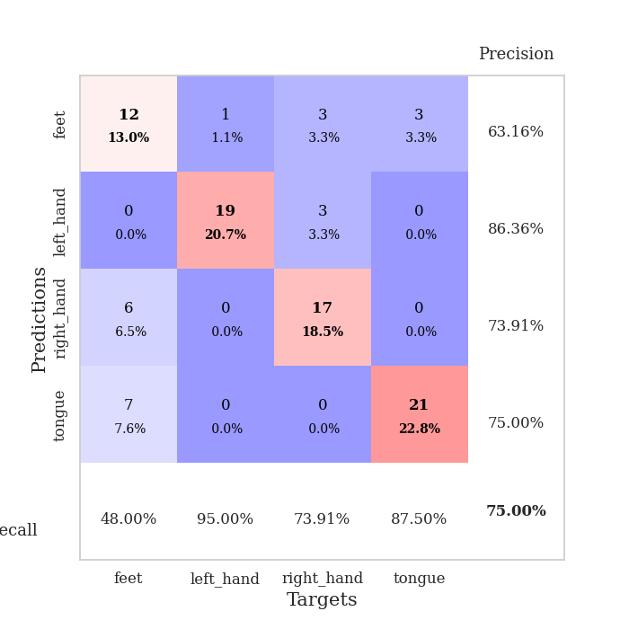
train_loss | valid_loss | train_accuracy | valid_accuracy | dur | train_misclass | valid_misclass
2.6526557181 | 9.3008687807 | 0.25 | 0.25 | 0.10832285881 | 25 | 25
1.3380908914 | 8.6637642073 | 0.25 | 0.25 | 0.1028945446 | 25 | 25
1.2330022843 | 18.394706519 | 0.2527173913 | 0.26086956522 | 0.10287952423 | 25.27173913 | 26.086956522
1.1697430792 | 178.57382202 | 0.2527173913 | 0.26086956522 | 0.10748839378 | 25.27173913 | 26.086956522
1.0727142173 | 46.649129121 | 0.2527173913 | 0.26086956522 | 0.10750055313 | 25.27173913 | 26.086956522
1.1814872726 | 130.3672429 | 0.2527173913 | 0.26086956522 | 0.10688257217 | 25.27173913 | 26.086956522
0.99374018545 | 154.61748206 | 0.25543478261 | 0.21739130435 | 0.11046218872 | 25.543478261 | 21.739130435
1.0788800976 | 125.24894349 | 0.2527173913 | 0.26086956522 | 0.10510730743 | 25.27173913 | 26.086956522
0.9540546355 | 421.26385896 | 0.2527173913 | 0.26086956522 | 0.10322380066 | 25.27173913 | 26.086956522
0.87563487628 | 118.75975202 | 0.2527173913 | 0.26086956522 | 0.10753679276 | 25.27173913 | 26.086956522
1.2417636721 | 49.683202992 | 0.2527173913 | 0.26086956522 | 0.10994887352 | 25.27173913 | 26.086956522
0.93301326943 | 76.16632843 | 0.2527173913 | 0.26086956522 | 0.10226559639 | 25.27173913 | 26.086956522
0.75175489161 | 93.566709767 | 0.2527173913 | 0.26086956522 | 0.1100692749 | 25.27173913 | 26.086956522
0.84936610123 | 195.33081254 | 0.2527173913 | 0.26086956522 | 0.10311508179 | 25.27173913 | 26.086956522
0.77459723405 | 334.34178095 | 0.2527173913 | 0.26086956522 | 0.11322879791 | 25.27173913 | 26.086956522
0.75585478544 | 519.33105867 | 0.2527173913 | 0.26086956522 | 0.10355591774 | 25.27173913 | 26.086956522
0.83097659116 | 63.615257429 | 0.2527173913 | 0.26086956522 | 0.10227847099 | 25.27173913 | 26.086956522
0.71704504153 | 187.57876521 | 0.2527173913 | 0.26086956522 | 0.10187983513 | 25.27173913 | 26.086956522
0.6538647504 | 64.637615701 | 0.24184782609 | 0.27173913043 | 0.1101000309 | 24.184782609 | 27.173913043
0.60995450616 | 220.35283429 | 0.2527173913 | 0.26086956522 | 0.10899949074 | 25.27173913 | 26.086956522
0.52945417425 | 88.797670116 | 0.24184782609 | 0.27173913043 | 0.1050350666 | 24.184782609 | 27.173913043
0.52296903859 | 215.23650327 | 0.24184782609 | 0.27173913043 | 0.11011624336 | 24.184782609 | 27.173913043
0.60424980035 | 95.636675296 | 0.2527173913 | 0.26086956522 | 0.10697412491 | 25.27173913 | 26.086956522
0.56773469824 | 250.45990123 | 0.24184782609 | 0.27173913043 | 0.11003899574 | 24.184782609 | 27.173913043
0.47750246136 | 255.18006035 | 0.24184782609 | 0.27173913043 | 0.10518455505 | 24.184782609 | 27.173913043
0.47784842032 | 129.17147529 | 0.2527173913 | 0.26086956522 | 0.11252498627 | 25.27173913 | 26.086956522
0.49663029449 | 99.366760586 | 0.24184782609 | 0.27173913043 | 0.10304403305 | 24.184782609 | 27.173913043
0.52454876479 | 50.386128965 | 0.24184782609 | 0.27173913043 | 0.10747480392 | 24.184782609 | 27.173913043
0.36799071535 | 139.11609218 | 0.24184782609 | 0.27173913043 | 0.10501694679 | 24.184782609 | 27.173913043
0.39641090385 | 145.86358709 | 0.24184782609 | 0.27173913043 | 0.11008691788 | 24.184782609 | 27.173913043
0.30915298669 | 79.781657343 | 0.24184782609 | 0.27173913043 | 0.10089826584 | 24.184782609 | 27.173913043
0.30571537028 | 19.455517562 | 0.24184782609 | 0.27173913043 | 0.10819792747 | 24.184782609 | 27.173913043
0.3594164343 | 98.993849713 | 0.24184782609 | 0.27173913043 | 0.10550308228 | 24.184782609 | 27.173913043
0.3275778543 | 90.012023926 | 0.24184782609 | 0.27173913043 | 0.10248470306 | 24.184782609 | 27.173913043
0.23519093673 | 45.605150803 | 0.24184782609 | 0.27173913043 | 0.10569453239 | 24.184782609 | 27.173913043
0.21964818012 | 16.025098801 | 0.25543478261 | 0.21739130435 | 0.10783553123 | 25.543478261 | 21.739130435
0.21742858867 | 83.87489352 | 0.2527173913 | 0.26086956522 | 0.10821056366 | 25.27173913 | 26.086956522
0.24010933045 | 33.729975161 | 0.24184782609 | 0.27173913043 | 0.11192297935 | 24.184782609 | 27.173913043
0.24404619116 | 82.194071562 | 0.2527173913 | 0.26086956522 | 0.10634493828 | 25.27173913 | 26.086956522
0.16782758863 | 59.297555509 | 0.2527173913 | 0.26086956522 | 0.1080186367 | 25.27173913 | 26.086956522
0.19270334992 | 22.908899805 | 0.2527173913 | 0.26086956522 | 0.10590338707 | 25.27173913 | 26.086956522
0.17611761602 | 44.267848969 | 0.2527173913 | 0.26086956522 | 0.10996794701 | 25.27173913 | 26.086956522
0.20416959051 | 10.234834712 | 0.24184782609 | 0.27173913043 | 0.1102514267 | 24.184782609 | 27.173913043
0.13212604124 | 7.6501373208 | 0.24184782609 | 0.27173913043 | 0.10607457161 | 24.184782609 | 27.173913043
0.18967197204 | 38.398414944 | 0.24184782609 | 0.27173913043 | 0.10716485977 | 24.184782609 | 27.173913043
0.13412325781 | 15.536642655 | 0.24456521739 | 0.27173913043 | 0.11213541031 | 24.456521739 | 27.173913043
0.15220031207 | 12.50026338 | 0.24184782609 | 0.27173913043 | 0.11069917679 | 24.184782609 | 27.173913043
0.14411933979 | 0.92836807085 | 0.86413043478 | 0.67391304348 | 0.10532474518 | 86.413043478 | 67.391304348
0.14471758368 | 0.95924834842 | 1 | 0.75 | 0.10545945168 | 100 | 75
0.17319169381 | 1.0003174129 | 1 | 0.67391304348 | 0.10725450516 | 100 | 67.391304348

Best Val accuracy is 0.75 and Best test accuracy is 0.7155172413793104

