Sheet
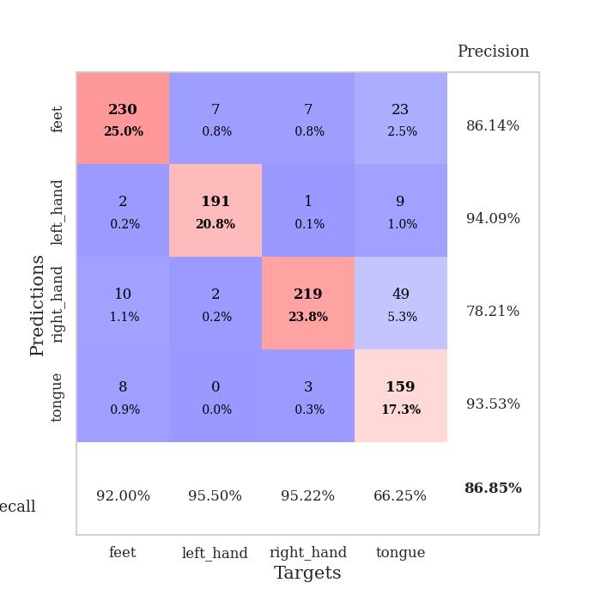
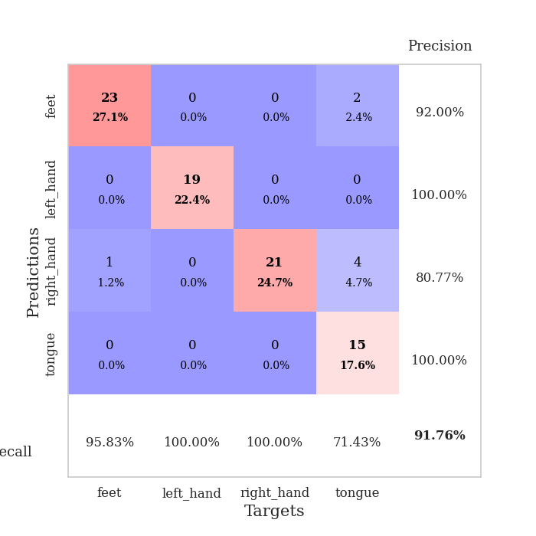
best_val_acc | best_val_los | best_test_acc
0.91304347826 | 0.19330495337 | 0.89655172414
0.88043478261 | 0.49796745149 | 0.9224137931
0.91304347826 | 0.35710701994 | 0.90517241379
0.83695652174 | 0.68477568095 | 0.86206896552
0.85869565217 | 0.6783584596 | 0.84482758621
0.89130434783 | 0.33429536645 | 0.89655172414
0.86956521739 | 0.34957635986 | 0.88793103448
0.88043478261 | 0.46983551623 | 0.90517241379
0.85869565217 | 0.51614044153 | 0.87931034483
0.78260869565 | 0.87894074943 | 0.80172413793

Mean,std Val accuracy is 0.8684782608695653 , 0.038497975243882564 and mean, std test accuracy is 0.8801724137931034 , 0.03553239642448191

Sheet1
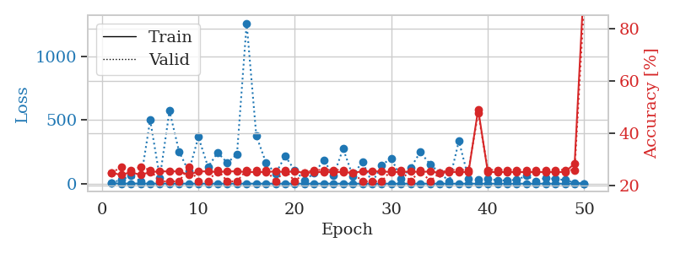
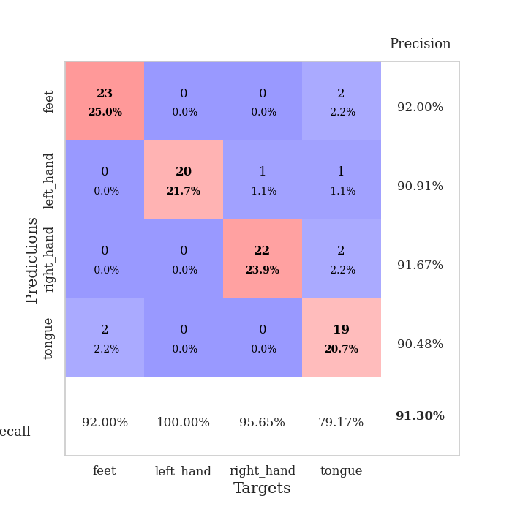
train_loss | valid_loss | train_accuracy | valid_accuracy | dur | train_misclass | valid_misclass
2.4037124437 | 6.2353276999 | 0.25 | 0.25 | 0.10770988464 | 25 | 25
1.1892446979 | 31.544188292 | 0.24184782609 | 0.27173913043 | 0.11051011086 | 24.184782609 | 27.173913043
1.1015560653 | 61.641053739 | 0.2527173913 | 0.26086956522 | 0.1089515686 | 25.27173913 | 26.086956522
0.9131313083 | 19.996714799 | 0.24184782609 | 0.27173913043 | 0.10641932487 | 24.184782609 | 27.173913043
0.79440329256 | 500.3646081 | 0.2527173913 | 0.26086956522 | 0.10385704041 | 25.27173913 | 26.086956522
0.63617082248 | 46.232779461 | 0.25543478261 | 0.21739130435 | 0.10326290131 | 25.543478261 | 21.739130435
0.57570143174 | 573.14383863 | 0.25543478261 | 0.21739130435 | 0.10177350044 | 25.543478261 | 21.739130435
0.45834146116 | 250.76389213 | 0.25543478261 | 0.21739130435 | 0.12048649788 | 25.543478261 | 21.739130435
0.41992855104 | 95.543675962 | 0.24184782609 | 0.27173913043 | 0.12663865089 | 24.184782609 | 27.173913043
0.33989049178 | 366.51924465 | 0.25543478261 | 0.21739130435 | 0.10675883293 | 25.543478261 | 21.739130435
0.35621181341 | 131.19676341 | 0.25543478261 | 0.21739130435 | 0.1099023819 | 25.543478261 | 21.739130435
0.36328921807 | 244.35773966 | 0.2527173913 | 0.26086956522 | 0.10503125191 | 25.27173913 | 26.086956522
0.33471192213 | 162.85556627 | 0.25543478261 | 0.21739130435 | 0.11002707481 | 25.543478261 | 21.739130435
0.30314492714 | 232.10989513 | 0.25543478261 | 0.21739130435 | 0.10889530182 | 25.543478261 | 21.739130435
0.34994845307 | 1261.7969228 | 0.2527173913 | 0.26086956522 | 0.10561299324 | 25.27173913 | 26.086956522
0.27682129869 | 376.39326809 | 0.2527173913 | 0.26086956522 | 0.1092441082 | 25.27173913 | 26.086956522
0.26296181896 | 165.67691372 | 0.2527173913 | 0.26086956522 | 0.1068520546 | 25.27173913 | 26.086956522
0.23037750533 | 78.512507563 | 0.25543478261 | 0.21739130435 | 0.10504364967 | 25.543478261 | 21.739130435
0.1626860122 | 216.61388895 | 0.2527173913 | 0.26086956522 | 0.11115026474 | 25.27173913 | 26.086956522
0.2233809063 | 101.64581597 | 0.25543478261 | 0.21739130435 | 0.10895562172 | 25.543478261 | 21.739130435
0.19629665561 | 25.134943755 | 0.25 | 0.25 | 0.1092569828 | 25 | 25
0.11622349538 | 82.140673762 | 0.2527173913 | 0.26086956522 | 0.10536909103 | 25.27173913 | 26.086956522
0.12215937767 | 183.53479601 | 0.2527173913 | 0.26086956522 | 0.10598444939 | 25.27173913 | 26.086956522
0.1314460953 | 62.821599546 | 0.2527173913 | 0.26086956522 | 0.10943388939 | 25.27173913 | 26.086956522
0.15567196632 | 274.25223906 | 0.2527173913 | 0.26086956522 | 0.10919356346 | 25.27173913 | 26.086956522
0.091247820376 | 60.768237072 | 0.25 | 0.25 | 0.1059718132 | 25 | 25
0.10040088852 | 173.78604192 | 0.25543478261 | 0.21739130435 | 0.10582184792 | 25.543478261 | 21.739130435
0.067207919894 | 5.4923333914 | 0.25543478261 | 0.21739130435 | 0.10495424271 | 25.543478261 | 21.739130435
0.087800211374 | 146.1566726 | 0.25543478261 | 0.21739130435 | 0.10886454582 | 25.543478261 | 21.739130435
0.082186340213 | 200.1331064 | 0.2527173913 | 0.26086956522 | 0.11083698273 | 25.27173913 | 26.086956522
0.071519526532 | 40.476229626 | 0.2527173913 | 0.26086956522 | 0.10537910461 | 25.27173913 | 26.086956522
0.043591421583 | 123.10155752 | 0.25543478261 | 0.21739130435 | 0.10967350006 | 25.543478261 | 21.739130435
0.07144100383 | 248.9225643 | 0.2527173913 | 0.26086956522 | 0.10602688789 | 25.27173913 | 26.086956522
0.055217054369 | 152.67315939 | 0.25543478261 | 0.21739130435 | 0.11471152306 | 25.543478261 | 21.739130435
0.042068881008 | 86.888834746 | 0.25 | 0.25 | 0.10472083092 | 25 | 25
0.022857870142 | 17.172703411 | 0.2527173913 | 0.26086956522 | 0.10844278336 | 25.27173913 | 26.086956522
0.029105631614 | 335.09701273 | 0.2527173913 | 0.26086956522 | 0.11422681808 | 25.27173913 | 26.086956522
0.02116847959 | 41.045219919 | 0.2527173913 | 0.26086956522 | 0.11436128616 | 25.27173913 | 26.086956522
0.03433031029 | 30.672654525 | 0.49184782609 | 0.47826086957 | 0.10844326019 | 49.184782609 | 47.826086957
0.029992667824 | 39.782395736 | 0.2527173913 | 0.26086956522 | 0.11127519608 | 25.27173913 | 26.086956522
0.026092443987 | 24.950120926 | 0.2527173913 | 0.26086956522 | 0.10515499115 | 25.27173913 | 26.086956522
0.036214389537 | 25.734928629 | 0.2527173913 | 0.26086956522 | 0.10916447639 | 25.27173913 | 26.086956522
0.024476537198 | 30.331370229 | 0.2527173913 | 0.26086956522 | 0.10646152496 | 25.27173913 | 26.086956522
0.024308824645 | 61.571937727 | 0.2527173913 | 0.26086956522 | 0.10526704788 | 25.27173913 | 26.086956522
0.017722774019 | 21.037092209 | 0.2527173913 | 0.26086956522 | 0.10517692566 | 25.27173913 | 26.086956522
0.012818451964 | 44.960048676 | 0.2527173913 | 0.26086956522 | 0.11303520203 | 25.27173913 | 26.086956522
0.024632176584 | 36.71796185 | 0.2527173913 | 0.26086956522 | 0.11234807968 | 25.27173913 | 26.086956522
0.03154034106 | 28.548766841 | 0.2527173913 | 0.26086956522 | 0.10664749146 | 25.27173913 | 26.086956522
0.014032885916 | 7.6016589248 | 0.28532608696 | 0.26086956522 | 0.10873842239 | 28.532608696 | 26.086956522
0.0095115095104 | 0.19330495337 | 1 | 0.91304347826 | 0.10269975662 | 100 | 91.304347826

Best Val accuracy is 0.9130434782608695 and Best test accuracy is 0.896551724137931

Sheet2
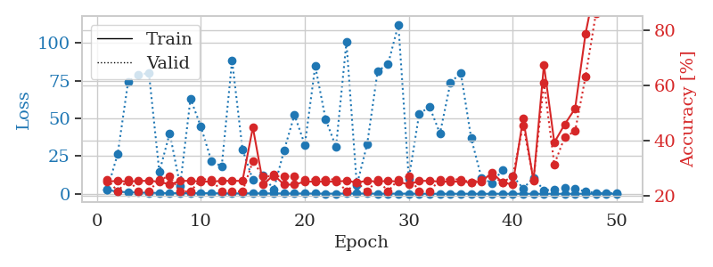
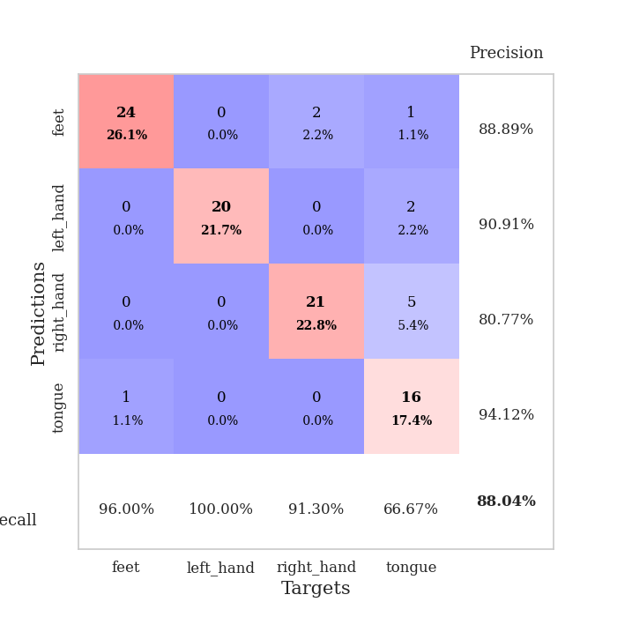
train_loss | valid_loss | train_accuracy | valid_accuracy | dur | train_misclass | valid_misclass
2.6023145733 | 2.9915220841 | 0.2527173913 | 0.26086956522 | 0.10644984245 | 25.27173913 | 26.086956522
1.3516575798 | 26.572401959 | 0.25543478261 | 0.21739130435 | 0.10744142532 | 25.543478261 | 21.739130435
1.0722618686 | 74.401868737 | 0.2527173913 | 0.26086956522 | 0.10560488701 | 25.27173913 | 26.086956522
0.76710313429 | 78.970310045 | 0.25543478261 | 0.21739130435 | 0.11201190948 | 25.543478261 | 21.739130435
0.6397968129 | 79.987917361 | 0.25543478261 | 0.21739130435 | 0.10940289497 | 25.543478261 | 21.739130435
0.57372889603 | 14.464382047 | 0.2527173913 | 0.26086956522 | 0.11350345612 | 25.27173913 | 26.086956522
0.45464776327 | 40.190216728 | 0.24184782609 | 0.27173913043 | 0.097749233246 | 24.184782609 | 27.173913043
0.38860501414 | 5.3783145366 | 0.25543478261 | 0.21739130435 | 0.10304236412 | 25.543478261 | 21.739130435
0.50808758872 | 63.008143881 | 0.25543478261 | 0.21739130435 | 0.097905874252 | 25.543478261 | 21.739130435
0.42003592784 | 44.443867725 | 0.2527173913 | 0.26086956522 | 0.098127126694 | 25.27173913 | 26.086956522
0.42004356857 | 21.966054833 | 0.2527173913 | 0.26086956522 | 0.097790956497 | 25.27173913 | 26.086956522
0.30451770969 | 18.062661876 | 0.25543478261 | 0.21739130435 | 0.09808754921 | 25.543478261 | 21.739130435
0.24921493653 | 88.398080909 | 0.25543478261 | 0.21739130435 | 0.10654187202 | 25.543478261 | 21.739130435
0.30267732858 | 29.459356225 | 0.25543478261 | 0.21739130435 | 0.10807108879 | 25.543478261 | 21.739130435
0.34478867216 | 9.1496486249 | 0.44836956522 | 0.32608695652 | 0.10580515862 | 44.836956522 | 32.608695652
0.31088770355 | 12.235248441 | 0.24184782609 | 0.27173913043 | 0.10576319695 | 24.184782609 | 27.173913043
0.24872019587 | 2.7830619812 | 0.27717391304 | 0.27173913043 | 0.11516785622 | 27.717391304 | 27.173913043
0.25734134569 | 28.702424754 | 0.24184782609 | 0.27173913043 | 0.11064195633 | 24.184782609 | 27.173913043
0.2230349554 | 52.289092188 | 0.24184782609 | 0.27173913043 | 0.10948777199 | 24.184782609 | 27.173913043
0.21569968849 | 32.506281065 | 0.2527173913 | 0.26086956522 | 0.10537195206 | 25.27173913 | 26.086956522
0.16651298041 | 84.631470722 | 0.2527173913 | 0.26086956522 | 0.10512971878 | 25.27173913 | 26.086956522
0.14691502419 | 49.319777779 | 0.2527173913 | 0.26086956522 | 0.1071023941 | 25.27173913 | 26.086956522
0.13445684251 | 31.002919736 | 0.2527173913 | 0.26086956522 | 0.10505127907 | 25.27173913 | 26.086956522
0.1902535612 | 100.51531584 | 0.25543478261 | 0.21739130435 | 0.10593008995 | 25.543478261 | 21.739130435
0.21225663194 | 5.700753212 | 0.25 | 0.25 | 0.11319279671 | 25 | 25
0.17347648635 | 33.016455775 | 0.25543478261 | 0.21739130435 | 0.11752343178 | 25.543478261 | 21.739130435
0.10241654989 | 81.279964613 | 0.2527173913 | 0.26086956522 | 0.10464644432 | 25.27173913 | 26.086956522
0.13894736858 | 85.790280549 | 0.25543478261 | 0.21739130435 | 0.11123585701 | 25.543478261 | 21.739130435
0.12049214291 | 112.15853384 | 0.2527173913 | 0.26086956522 | 0.10542154312 | 25.27173913 | 26.086956522
0.12670088763 | 9.9368148472 | 0.24184782609 | 0.27173913043 | 0.11098575592 | 24.184782609 | 27.173913043
0.053752302982 | 53.027536973 | 0.25543478261 | 0.21739130435 | 0.11335325241 | 25.543478261 | 21.739130435
0.055880621946 | 57.622623775 | 0.25543478261 | 0.21739130435 | 0.10821461678 | 25.543478261 | 21.739130435
0.031389446808 | 39.936845531 | 0.2527173913 | 0.26086956522 | 0.10428190231 | 25.27173913 | 26.086956522
0.048013075144 | 73.316570945 | 0.2527173913 | 0.26086956522 | 0.10294389725 | 25.27173913 | 26.086956522
0.064681327659 | 80.312138765 | 0.2527173913 | 0.26086956522 | 0.10940265656 | 25.27173913 | 26.086956522
0.054854892134 | 36.877797417 | 0.25 | 0.25 | 0.10850667953 | 25 | 25
0.034640452116 | 10.354698388 | 0.2527173913 | 0.26086956522 | 0.1117503643 | 25.27173913 | 26.086956522
0.035331259213 | 7.2258778448 | 0.28532608696 | 0.27173913043 | 0.10733509064 | 28.532608696 | 27.173913043
0.058629960621 | 15.568730727 | 0.25 | 0.25 | 0.11078572273 | 25 | 25
0.036633706176 | 11.841337245 | 0.24184782609 | 0.27173913043 | 0.10584902763 | 24.184782609 | 27.173913043
0.031524736834 | 3.5749258269 | 0.48097826087 | 0.45652173913 | 0.10919499397 | 48.097826087 | 45.652173913
0.047665834427 | 10.528941818 | 0.25543478261 | 0.26086956522 | 0.10824847221 | 25.543478261 | 26.086956522
0.021700684386 | 2.3690599099 | 0.67391304348 | 0.60869565217 | 0.10912108421 | 67.391304348 | 60.869565217
0.022091388085 | 2.6958600179 | 0.39402173913 | 0.3152173913 | 0.11226296425 | 39.402173913 | 31.52173913
0.024254746867 | 4.1364761954 | 0.45923913043 | 0.41304347826 | 0.11396574974 | 45.923913043 | 41.304347826
0.023041060736 | 3.1362599394 | 0.51630434783 | 0.4347826087 | 0.1088540554 | 51.630434783 | 43.47826087
0.041619774787 | 1.5709660183 | 0.78532608696 | 0.63043478261 | 0.10505747795 | 78.532608696 | 63.043478261
0.031015244029 | 0.5099076538 | 0.97282608696 | 0.85869565217 | 0.11665725708 | 97.282608696 | 85.869565217
0.017782575405 | 0.49796745149 | 1 | 0.86956521739 | 0.11082959175 | 100 | 86.956521739
0.021296790077 | 0.52822792724 | 1 | 0.88043478261 | 0.10689926147 | 100 | 88.043478261

Best Val accuracy is 0.8804347826086957 and Best test accuracy is 0.9224137931034483

Sheet3
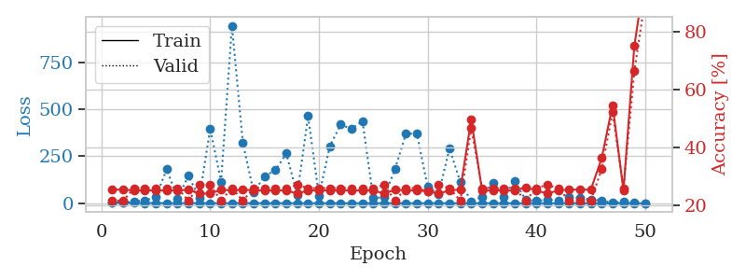
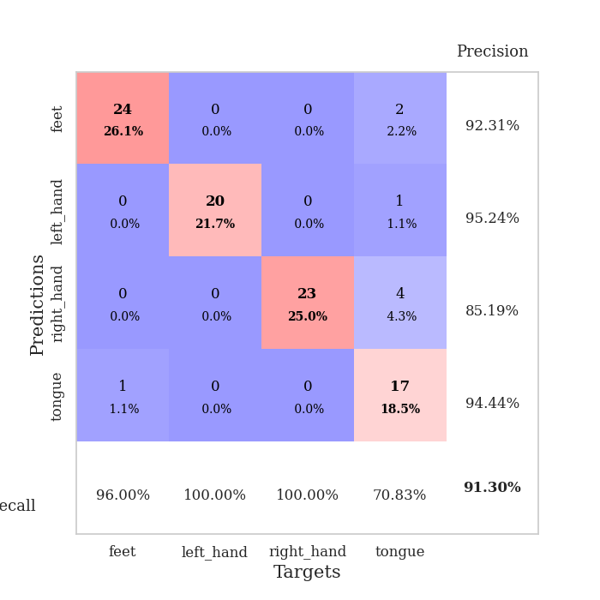
train_loss | valid_loss | train_accuracy | valid_accuracy | dur | train_misclass | valid_misclass
4.1565717044 | 4.4950944859 | 0.25543478261 | 0.21739130435 | 0.10328197479 | 25.543478261 | 21.739130435
1.4517252497 | 1.7887916772 | 0.25543478261 | 0.21739130435 | 0.10282635689 | 25.543478261 | 21.739130435
1.221381133 | 10.730955995 | 0.2527173913 | 0.26086956522 | 0.10096621513 | 25.27173913 | 26.086956522
1.0152624275 | 14.759845692 | 0.2527173913 | 0.26086956522 | 0.10323357582 | 25.27173913 | 26.086956522
0.98303934673 | 31.992587546 | 0.2527173913 | 0.26086956522 | 0.10676121712 | 25.27173913 | 26.086956522
0.67724880447 | 181.23132391 | 0.2527173913 | 0.26086956522 | 0.10883235931 | 25.27173913 | 26.086956522
0.56637187756 | 25.210977554 | 0.2527173913 | 0.26086956522 | 0.11000871658 | 25.27173913 | 26.086956522
0.56485864706 | 145.66788449 | 0.25543478261 | 0.21739130435 | 0.10478329659 | 25.543478261 | 21.739130435
0.46887007161 | 28.682263416 | 0.24184782609 | 0.27173913043 | 0.11004686356 | 24.184782609 | 27.173913043
0.4042797202 | 395.86560987 | 0.24184782609 | 0.27173913043 | 0.11587262154 | 24.184782609 | 27.173913043
0.39172184581 | 115.17552848 | 0.25543478261 | 0.21739130435 | 0.10498595238 | 25.543478261 | 21.739130435
0.43352444114 | 943.77031675 | 0.2527173913 | 0.26086956522 | 0.10615563393 | 25.27173913 | 26.086956522
0.40986661159 | 322.04043977 | 0.25543478261 | 0.21739130435 | 0.10959792137 | 25.543478261 | 21.739130435
0.28272263042 | 58.237372357 | 0.2527173913 | 0.26086956522 | 0.1091594696 | 25.27173913 | 26.086956522
0.27975517042 | 144.56755199 | 0.2527173913 | 0.26086956522 | 0.11511301994 | 25.27173913 | 26.086956522
0.316581832 | 175.22621951 | 0.2527173913 | 0.26086956522 | 0.10871767998 | 25.27173913 | 26.086956522
0.28919926577 | 264.3116747 | 0.2527173913 | 0.26086956522 | 0.11209774017 | 25.27173913 | 26.086956522
0.181958726 | 44.965971574 | 0.24184782609 | 0.27173913043 | 0.10604739189 | 24.184782609 | 27.173913043
0.21198045628 | 462.94927846 | 0.2527173913 | 0.26086956522 | 0.11173582077 | 25.27173913 | 26.086956522
0.17573776299 | 39.824650474 | 0.2527173913 | 0.26086956522 | 0.11001300812 | 25.27173913 | 26.086956522
0.20387519042 | 303.36561518 | 0.2527173913 | 0.26086956522 | 0.11354160309 | 25.27173913 | 26.086956522
0.19142933712 | 418.21755981 | 0.2527173913 | 0.26086956522 | 0.11425590515 | 25.27173913 | 26.086956522
0.26418724624 | 394.90915182 | 0.2527173913 | 0.26086956522 | 0.10914540291 | 25.27173913 | 26.086956522
0.21862093497 | 437.11944713 | 0.2527173913 | 0.26086956522 | 0.10488462448 | 25.27173913 | 26.086956522
0.10666104333 | 26.092915328 | 0.2527173913 | 0.26086956522 | 0.11000394821 | 25.27173913 | 26.086956522
0.17474341836 | 33.278082972 | 0.24184782609 | 0.27173913043 | 0.10624527931 | 24.184782609 | 27.173913043
0.12304920242 | 183.19697703 | 0.25543478261 | 0.21739130435 | 0.10875964165 | 25.543478261 | 21.739130435
0.067122280375 | 369.06945933 | 0.2527173913 | 0.26086956522 | 0.10458350182 | 25.27173913 | 26.086956522
0.048917055353 | 370.49524722 | 0.2527173913 | 0.26086956522 | 0.10580515862 | 25.27173913 | 26.086956522
0.073964202191 | 85.868456633 | 0.25 | 0.25 | 0.11475205421 | 25 | 25
0.11350769041 | 49.597473145 | 0.24184782609 | 0.27173913043 | 0.10934185982 | 24.184782609 | 27.173913043
0.060649617626 | 291.3612379 | 0.2527173913 | 0.26086956522 | 0.11148118973 | 25.27173913 | 26.086956522
0.069853683407 | 113.02015752 | 0.25543478261 | 0.21739130435 | 0.10752344131 | 25.543478261 | 21.739130435
0.054702717644 | 10.710436158 | 0.4972826087 | 0.46739130435 | 0.10872817039 | 49.72826087 | 46.739130435
0.057477249212 | 33.809265137 | 0.2527173913 | 0.26086956522 | 0.10890746117 | 25.27173913 | 26.086956522
0.031872672241 | 110.28111466 | 0.2527173913 | 0.26086956522 | 0.10756230354 | 25.27173913 | 26.086956522
0.058872383543 | 31.128847869 | 0.2527173913 | 0.26086956522 | 0.11282253265 | 25.27173913 | 26.086956522
0.031072545655 | 119.96517016 | 0.2527173913 | 0.26086956522 | 0.10637998581 | 25.27173913 | 26.086956522
0.047430031568 | 17.844300726 | 0.26358695652 | 0.21739130435 | 0.10965204239 | 26.358695652 | 21.739130435
0.035958102064 | 13.169689178 | 0.2527173913 | 0.26086956522 | 0.10953998566 | 25.27173913 | 26.086956522
0.036586767842 | 18.549718028 | 0.24184782609 | 0.27173913043 | 0.11308145523 | 24.184782609 | 27.173913043
0.024689544397 | 15.694630996 | 0.2527173913 | 0.26086956522 | 0.10284948349 | 25.27173913 | 26.086956522
0.041497467678 | 31.845277206 | 0.25543478261 | 0.21739130435 | 0.10799074173 | 25.543478261 | 21.739130435
0.014678679726 | 27.00573689 | 0.25543478261 | 0.21739130435 | 0.10577607155 | 25.543478261 | 21.739130435
0.025609001578 | 20.265396699 | 0.25543478261 | 0.21739130435 | 0.10559654236 | 25.543478261 | 21.739130435
0.033922942765 | 14.379022391 | 0.36413043478 | 0.32608695652 | 0.10597372055 | 36.413043478 | 32.608695652
0.018910285566 | 2.084433566 | 0.54619565217 | 0.52173913043 | 0.10523986816 | 54.619565217 | 52.173913043
0.025614670149 | 9.4292255485 | 0.2527173913 | 0.26086956522 | 0.1112806797 | 25.27173913 | 26.086956522
0.03284212299 | 1.297394426 | 0.75 | 0.66304347826 | 0.11096549034 | 75 | 66.304347826
0.011017105886 | 0.35710701994 | 1 | 0.91304347826 | 0.10637140274 | 100 | 91.304347826

Best Val accuracy is 0.9130434782608695 and Best test accuracy is 0.9051724137931034

Sheet4
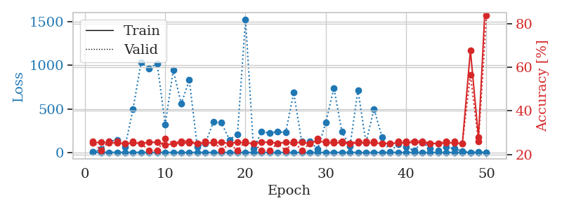
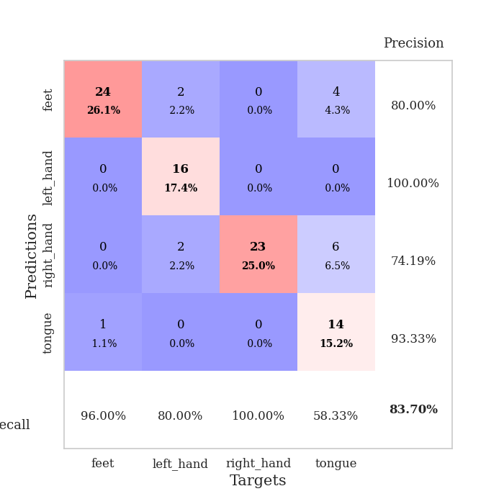
train_loss | valid_loss | train_accuracy | valid_accuracy | dur | train_misclass | valid_misclass
2.7935753128 | 2.1508498866 | 0.2527173913 | 0.26086956522 | 0.11224365234 | 25.27173913 | 26.086956522
1.1880943231 | 35.15115456 | 0.25543478261 | 0.21739130435 | 0.10732865334 | 25.543478261 | 21.739130435
1.2667512557 | 126.07711427 | 0.2527173913 | 0.26086956522 | 0.10382843018 | 25.27173913 | 26.086956522
1.1474025923 | 143.99335778 | 0.2527173913 | 0.26086956522 | 0.11122584343 | 25.27173913 | 26.086956522
0.79627668534 | 65.292794435 | 0.25 | 0.25 | 0.11421728134 | 25 | 25
0.77411847918 | 499.32805733 | 0.2527173913 | 0.26086956522 | 0.10939145088 | 25.27173913 | 26.086956522
0.61063186112 | 1035.1320456 | 0.25 | 0.25 | 0.10864186287 | 25 | 25
0.47235500035 | 962.63396951 | 0.25543478261 | 0.21739130435 | 0.11056065559 | 25.543478261 | 21.739130435
0.49579194221 | 1022.7940568 | 0.25543478261 | 0.21739130435 | 0.1043946743 | 25.543478261 | 21.739130435
0.40965680519 | 322.04056848 | 0.24184782609 | 0.27173913043 | 0.10765457153 | 24.184782609 | 27.173913043
0.36922240225 | 943.09480352 | 0.25 | 0.25 | 0.10225844383 | 25 | 25
0.34212825836 | 560.57123997 | 0.2527173913 | 0.26086956522 | 0.11171340942 | 25.27173913 | 26.086956522
0.35181685893 | 831.31474769 | 0.2527173913 | 0.26086956522 | 0.10717988014 | 25.27173913 | 26.086956522
0.29390391197 | 61.223361471 | 0.25 | 0.25 | 0.11428141594 | 25 | 25
0.21749626829 | 105.80558412 | 0.2527173913 | 0.26086956522 | 0.11467385292 | 25.27173913 | 26.086956522
0.20456761656 | 350.24440998 | 0.2527173913 | 0.26086956522 | 0.10935258865 | 25.27173913 | 26.086956522
0.1764351004 | 340.20844435 | 0.25543478261 | 0.21739130435 | 0.10460543633 | 25.543478261 | 21.739130435
0.2226471364 | 146.57849884 | 0.25 | 0.25 | 0.10259127617 | 25 | 25
0.23237111922 | 209.65559188 | 0.25543478261 | 0.21739130435 | 0.10880279541 | 25.543478261 | 21.739130435
0.27880397795 | 1529.90461 | 0.2527173913 | 0.26086956522 | 0.10612440109 | 25.27173913 | 26.086956522
0.19020672831 | 42.657127546 | 0.25 | 0.25 | 0.10578966141 | 25 | 25
0.21179354912 | 236.09822945 | 0.25543478261 | 0.21739130435 | 0.11177611351 | 25.543478261 | 21.739130435
0.15804911744 | 222.41187784 | 0.25543478261 | 0.21739130435 | 0.11083388329 | 25.543478261 | 21.739130435
0.1181818092 | 236.10783519 | 0.25 | 0.25 | 0.10922551155 | 25 | 25
0.16091785811 | 229.55695575 | 0.25543478261 | 0.21739130435 | 0.11134529114 | 25.543478261 | 21.739130435
0.099398884193 | 685.85126263 | 0.2527173913 | 0.26086956522 | 0.11010980606 | 25.27173913 | 26.086956522
0.080349593309 | 123.23979651 | 0.25543478261 | 0.21739130435 | 0.1100525856 | 25.543478261 | 21.739130435
0.077828102836 | 123.01538086 | 0.25 | 0.25 | 0.11373877525 | 25 | 25
0.058957335823 | 40.152190665 | 0.26358695652 | 0.27173913043 | 0.10316252708 | 26.358695652 | 27.173913043
0.099942097445 | 344.71282826 | 0.2527173913 | 0.26086956522 | 0.10631370544 | 25.27173913 | 26.086956522
0.056915662489 | 740.85111402 | 0.2527173913 | 0.26086956522 | 0.10562419891 | 25.27173913 | 26.086956522
0.068610995056 | 235.90776261 | 0.2527173913 | 0.26086956522 | 0.10163187981 | 25.27173913 | 26.086956522
0.070674309606 | 69.015728992 | 0.25 | 0.25 | 0.10929846764 | 25 | 25
0.058285803246 | 714.13142461 | 0.2527173913 | 0.26086956522 | 0.10133981705 | 25.27173913 | 26.086956522
0.070940486074 | 114.06769429 | 0.2527173913 | 0.26086956522 | 0.10775709152 | 25.27173913 | 26.086956522
0.051116553921 | 499.57055266 | 0.2527173913 | 0.26086956522 | 0.10575723648 | 25.27173913 | 26.086956522
0.042159657719 | 173.65594416 | 0.25 | 0.25 | 0.10863661766 | 25 | 25
0.029338853668 | 8.5675854476 | 0.25 | 0.25 | 0.10133194923 | 25 | 25
0.029313765122 | 96.741151561 | 0.2527173913 | 0.26086956522 | 0.10496664047 | 25.27173913 | 26.086956522
0.0410797687 | 59.133865191 | 0.2527173913 | 0.26086956522 | 0.1085562706 | 25.27173913 | 26.086956522
0.022862436807 | 23.053439845 | 0.25543478261 | 0.26086956522 | 0.1053943634 | 25.543478261 | 26.086956522
0.024723183743 | 115.09074899 | 0.2527173913 | 0.26086956522 | 0.10879325867 | 25.27173913 | 26.086956522
0.017540882291 | 49.331509134 | 0.25 | 0.25 | 0.10156273842 | 25 | 25
0.0089589735675 | 22.073974361 | 0.25 | 0.25 | 0.10425496101 | 25 | 25
0.018678404153 | 58.42492427 | 0.2527173913 | 0.26086956522 | 0.10153079033 | 25.27173913 | 26.086956522
0.013502183501 | 43.076853047 | 0.2527173913 | 0.26086956522 | 0.1017332077 | 25.27173913 | 26.086956522
0.029904309959 | 14.774945425 | 0.25 | 0.25 | 0.11152100563 | 25 | 25
0.015093751639 | 1.5281607638 | 0.67663043478 | 0.5652173913 | 0.10844349861 | 67.663043478 | 56.52173913
0.017738729312 | 8.3300742274 | 0.27717391304 | 0.26086956522 | 0.10918903351 | 27.717391304 | 26.086956522
0.016898697515 | 0.68477568095 | 0.9972826087 | 0.83695652174 | 0.10787653923 | 99.72826087 | 83.695652174

Best Val accuracy is 0.8369565217391305 and Best test accuracy is 0.8620689655172413

Sheet5
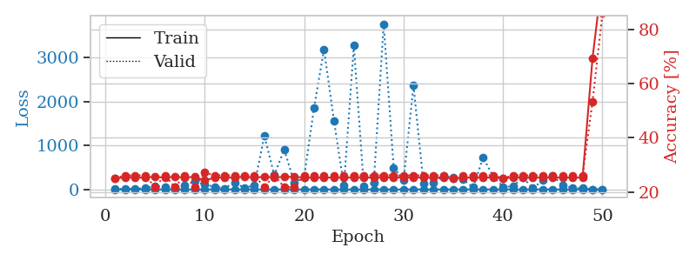
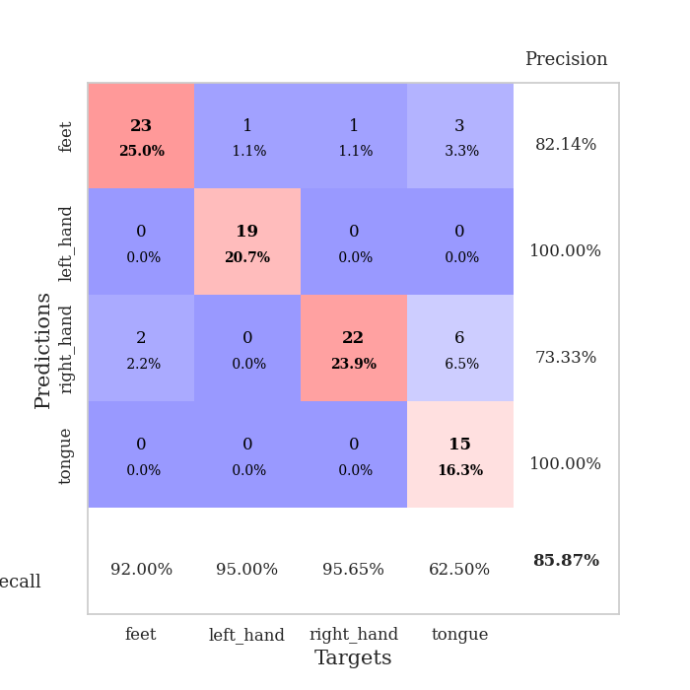
train_loss | valid_loss | train_accuracy | valid_accuracy | dur | train_misclass | valid_misclass
2.7183818117 | 7.4059988727 | 0.25 | 0.25 | 0.1038415432 | 25 | 25
1.2029083812 | 8.8862651949 | 0.2527173913 | 0.26086956522 | 0.10506272316 | 25.27173913 | 26.086956522
0.98486697933 | 13.56667614 | 0.2527173913 | 0.26086956522 | 0.10838365555 | 25.27173913 | 26.086956522
1.1812599275 | 26.311387186 | 0.2527173913 | 0.26086956522 | 0.10472798347 | 25.27173913 | 26.086956522
1.0150632962 | 71.914553767 | 0.25543478261 | 0.21739130435 | 0.11095666885 | 25.543478261 | 21.739130435
0.81771638082 | 57.949400529 | 0.2527173913 | 0.26086956522 | 0.10895895958 | 25.27173913 | 26.086956522
0.72024245107 | 52.61464658 | 0.25543478261 | 0.21739130435 | 0.10197663307 | 25.543478261 | 21.739130435
0.7412296093 | 93.88335286 | 0.2527173913 | 0.26086956522 | 0.10975956917 | 25.27173913 | 26.086956522
0.75718146303 | 186.1042381 | 0.25543478261 | 0.21739130435 | 0.10840201378 | 25.543478261 | 21.739130435
0.56664117069 | 107.79224197 | 0.24184782609 | 0.27173913043 | 0.11489391327 | 24.184782609 | 27.173913043
0.43498529947 | 63.840887318 | 0.2527173913 | 0.26086956522 | 0.10833883286 | 25.27173913 | 26.086956522
0.38862359912 | 19.846215207 | 0.2527173913 | 0.26086956522 | 0.10488438606 | 25.27173913 | 26.086956522
0.39208705399 | 162.68379477 | 0.2527173913 | 0.26086956522 | 0.097791433334 | 25.27173913 | 26.086956522
0.30719006952 | 30.565038764 | 0.25543478261 | 0.26086956522 | 0.097713947296 | 25.543478261 | 26.086956522
0.2687010859 | 97.313858364 | 0.2527173913 | 0.26086956522 | 0.097735643387 | 25.27173913 | 26.086956522
0.31102477289 | 1223.8716616 | 0.25543478261 | 0.21739130435 | 0.097679615021 | 25.543478261 | 21.739130435
0.38043801332 | 325.10772174 | 0.2527173913 | 0.26086956522 | 0.097712516785 | 25.27173913 | 26.086956522
0.34718928875 | 912.64528225 | 0.25543478261 | 0.21739130435 | 0.097739696503 | 25.543478261 | 21.739130435
0.21089824046 | 158.98880934 | 0.25543478261 | 0.21739130435 | 0.09766793251 | 25.543478261 | 21.739130435
0.25030872372 | 278.9548791 | 0.2527173913 | 0.26086956522 | 0.097677230835 | 25.27173913 | 26.086956522
0.19256870465 | 1862.8847019 | 0.2527173913 | 0.26086956522 | 0.097759962082 | 25.27173913 | 26.086956522
0.20408090913 | 3192.0583072 | 0.2527173913 | 0.26086956522 | 0.097618579865 | 25.27173913 | 26.086956522
0.23762250773 | 1564.1821024 | 0.2527173913 | 0.26086956522 | 0.097751140594 | 25.27173913 | 26.086956522
0.24301018453 | 84.762780894 | 0.2527173913 | 0.26086956522 | 0.097388505936 | 25.27173913 | 26.086956522
0.12564514248 | 3275.6443296 | 0.2527173913 | 0.26086956522 | 0.097291231155 | 25.27173913 | 26.086956522
0.10890383634 | 79.638805555 | 0.2527173913 | 0.26086956522 | 0.097459316254 | 25.27173913 | 26.086956522
0.077366107123 | 146.91453386 | 0.2527173913 | 0.26086956522 | 0.097671031952 | 25.27173913 | 26.086956522
0.059194004366 | 3770.9059103 | 0.2527173913 | 0.26086956522 | 0.097733020782 | 25.27173913 | 26.086956522
0.063750798591 | 499.67571756 | 0.2527173913 | 0.26086956522 | 0.097708463669 | 25.27173913 | 26.086956522
0.06762959223 | 212.04166844 | 0.2527173913 | 0.26086956522 | 0.099342346191 | 25.27173913 | 26.086956522
0.093535272275 | 2364.5473421 | 0.2527173913 | 0.26086956522 | 0.10962510109 | 25.27173913 | 26.086956522
0.073242787267 | 135.16238702 | 0.2527173913 | 0.26086956522 | 0.11467647552 | 25.27173913 | 26.086956522
0.068153192952 | 150.07358783 | 0.2527173913 | 0.26086956522 | 0.10892987251 | 25.27173913 | 26.086956522
0.066237770765 | 309.76287974 | 0.2527173913 | 0.26086956522 | 0.11435413361 | 25.27173913 | 26.086956522
0.039509580086 | 270.25644518 | 0.25 | 0.25 | 0.10839509964 | 25 | 25
0.048268033331 | 224.76631297 | 0.2527173913 | 0.26086956522 | 0.11170458794 | 25.27173913 | 26.086956522
0.02195811794 | 44.535505875 | 0.2527173913 | 0.26086956522 | 0.11088776588 | 25.27173913 | 26.086956522
0.02587411249 | 728.13239852 | 0.2527173913 | 0.26086956522 | 0.10264134407 | 25.27173913 | 26.086956522
0.029947524197 | 301.6685937 | 0.2527173913 | 0.26086956522 | 0.11067128181 | 25.27173913 | 26.086956522
0.03265287472 | 60.104758387 | 0.25 | 0.25 | 0.1091837883 | 25 | 25
0.032295334076 | 68.675103892 | 0.2527173913 | 0.26086956522 | 0.11235332489 | 25.27173913 | 26.086956522
0.036288773251 | 272.08199277 | 0.2527173913 | 0.26086956522 | 0.11556792259 | 25.27173913 | 26.086956522
0.022191085792 | 27.94351727 | 0.2527173913 | 0.26086956522 | 0.10812497139 | 25.27173913 | 26.086956522
0.02583400586 | 206.49256499 | 0.2527173913 | 0.26086956522 | 0.10863256454 | 25.27173913 | 26.086956522
0.039539078896 | 318.34399414 | 0.2527173913 | 0.26086956522 | 0.1087269783 | 25.27173913 | 26.086956522
0.027355438405 | 92.567738409 | 0.2527173913 | 0.26086956522 | 0.11175179482 | 25.27173913 | 26.086956522
0.013228638695 | 34.540623043 | 0.2527173913 | 0.26086956522 | 0.1124894619 | 25.27173913 | 26.086956522
0.017746042232 | 25.95523345 | 0.2527173913 | 0.26086956522 | 0.1094827652 | 25.27173913 | 26.086956522
0.022608675306 | 2.5759792432 | 0.69293478261 | 0.53260869565 | 0.10807466507 | 69.293478261 | 53.260869565
0.03540686744 | 0.6783584596 | 0.9972826087 | 0.85869565217 | 0.10877680779 | 99.72826087 | 85.869565217

Best Val accuracy is 0.8586956521739131 and Best test accuracy is 0.8448275862068966

Sheet6
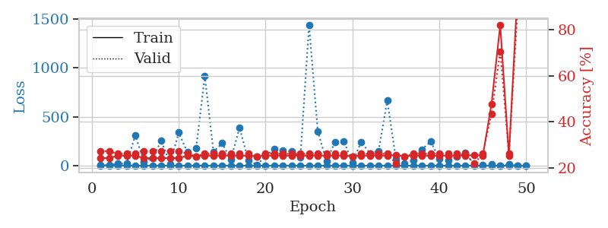
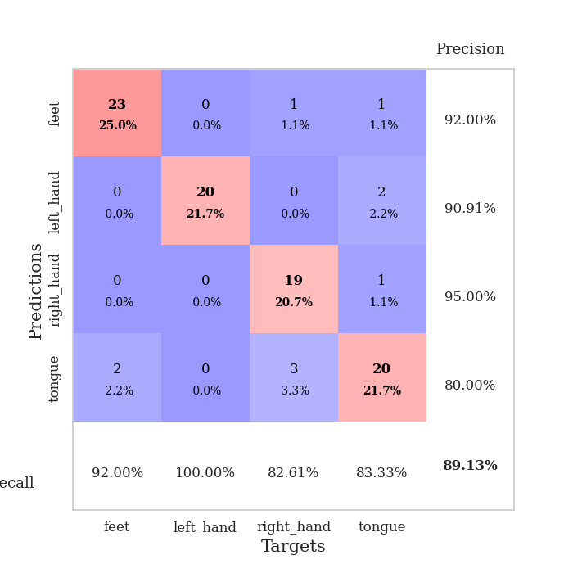
train_loss | valid_loss | train_accuracy | valid_accuracy | dur | train_misclass | valid_misclass
3.16465723 | 5.080387613 | 0.24184782609 | 0.27173913043 | 0.10719251633 | 24.184782609 | 27.173913043
1.3610492919 | 6.054357197 | 0.24184782609 | 0.27173913043 | 0.10525465012 | 24.184782609 | 27.173913043
1.1557725979 | 20.519834187 | 0.2527173913 | 0.26086956522 | 0.11356449127 | 25.27173913 | 26.086956522
1.09259286 | 20.485000527 | 0.2527173913 | 0.26086956522 | 0.11189079285 | 25.27173913 | 26.086956522
0.93256349667 | 308.56143719 | 0.2527173913 | 0.26086956522 | 0.10781478882 | 25.27173913 | 26.086956522
0.68062862236 | 41.087622435 | 0.24184782609 | 0.27173913043 | 0.10878705978 | 24.184782609 | 27.173913043
0.59307797771 | 81.550895691 | 0.24184782609 | 0.27173913043 | 0.11449718475 | 24.184782609 | 27.173913043
0.56822541227 | 256.07227226 | 0.24184782609 | 0.27173913043 | 0.10919237137 | 24.184782609 | 27.173913043
0.48663831275 | 18.856698824 | 0.24184782609 | 0.27173913043 | 0.1093776226 | 24.184782609 | 27.173913043
0.40789875291 | 338.30206697 | 0.24184782609 | 0.27173913043 | 0.10877299309 | 24.184782609 | 27.173913043
0.49112576214 | 136.1161426 | 0.2527173913 | 0.26086956522 | 0.10866045952 | 25.27173913 | 26.086956522
0.32305260197 | 174.96048902 | 0.25 | 0.25 | 0.10234904289 | 25 | 25
0.36152912822 | 914.79373302 | 0.2527173913 | 0.26086956522 | 0.10531544685 | 25.27173913 | 26.086956522
0.52889930068 | 142.46543221 | 0.2527173913 | 0.26086956522 | 0.11428999901 | 25.27173913 | 26.086956522
0.44206362173 | 229.5089244 | 0.2527173913 | 0.26086956522 | 0.10805749893 | 25.27173913 | 26.086956522
0.24959299778 | 61.389690067 | 0.2527173913 | 0.26086956522 | 0.10636615753 | 25.27173913 | 26.086956522
0.27261574793 | 391.39114911 | 0.2527173913 | 0.26086956522 | 0.11250138283 | 25.27173913 | 26.086956522
0.20917069341 | 58.279111779 | 0.2527173913 | 0.26086956522 | 0.11181640625 | 25.27173913 | 26.086956522
0.27415718571 | 8.6486950128 | 0.25 | 0.25 | 0.10643053055 | 25 | 25
0.20032722163 | 99.492927551 | 0.2527173913 | 0.26086956522 | 0.10584807396 | 25.27173913 | 26.086956522
0.15452186585 | 173.269037 | 0.2527173913 | 0.26086956522 | 0.10542535782 | 25.27173913 | 26.086956522
0.17174977753 | 151.83871626 | 0.2527173913 | 0.26086956522 | 0.10845661163 | 25.27173913 | 26.086956522
0.13455200017 | 144.73730436 | 0.2527173913 | 0.26086956522 | 0.10911893845 | 25.27173913 | 26.086956522
0.10798842452 | 86.838699009 | 0.2527173913 | 0.26086956522 | 0.11081147194 | 25.27173913 | 26.086956522
0.13791978843 | 1433.8113908 | 0.2527173913 | 0.26086956522 | 0.10763645172 | 25.27173913 | 26.086956522
0.10158488842 | 352.90695721 | 0.2527173913 | 0.26086956522 | 0.1058754921 | 25.27173913 | 26.086956522
0.10339234348 | 46.13834746 | 0.2527173913 | 0.26086956522 | 0.10584688187 | 25.27173913 | 26.086956522
0.082591873351 | 243.8995149 | 0.2527173913 | 0.26086956522 | 0.11077189445 | 25.27173913 | 26.086956522
0.093368604641 | 248.0408909 | 0.2527173913 | 0.26086956522 | 0.11499977112 | 25.27173913 | 26.086956522
0.076216325052 | 32.469071761 | 0.25 | 0.25 | 0.10619354248 | 25 | 25
0.054110360089 | 244.18245199 | 0.2527173913 | 0.26086956522 | 0.11422967911 | 25.27173913 | 26.086956522
0.054226122088 | 126.44500467 | 0.2527173913 | 0.26086956522 | 0.1120390892 | 25.27173913 | 26.086956522
0.044379421075 | 150.78934313 | 0.2527173913 | 0.26086956522 | 0.10614299774 | 25.27173913 | 26.086956522
0.034827156048 | 667.412664 | 0.2527173913 | 0.26086956522 | 0.10258626938 | 25.27173913 | 26.086956522
0.030176933354 | 67.72779813 | 0.25543478261 | 0.21739130435 | 0.10808444023 | 25.543478261 | 21.739130435
0.022899113712 | 25.536499604 | 0.25 | 0.25 | 0.11025667191 | 25 | 25
0.041702793567 | 54.191617717 | 0.2527173913 | 0.26086956522 | 0.10760831833 | 25.27173913 | 26.086956522
0.027799233359 | 167.02811332 | 0.2527173913 | 0.26086956522 | 0.11652135849 | 25.27173913 | 26.086956522
0.02990665509 | 245.52214581 | 0.2527173913 | 0.26086956522 | 0.10834312439 | 25.27173913 | 26.086956522
0.016092759565 | 69.733120794 | 0.2527173913 | 0.26086956522 | 0.10878968239 | 25.27173913 | 26.086956522
0.012705188232 | 55.781090612 | 0.2527173913 | 0.26086956522 | 0.1045987606 | 25.27173913 | 26.086956522
0.023288615939 | 90.178921907 | 0.2527173913 | 0.26086956522 | 0.11084938049 | 25.27173913 | 26.086956522
0.048799494817 | 130.0003964 | 0.2527173913 | 0.26086956522 | 0.11026859283 | 25.27173913 | 26.086956522
0.015933582871 | 12.262171082 | 0.25543478261 | 0.21739130435 | 0.10758543015 | 25.543478261 | 21.739130435
0.012912656973 | 9.3008670392 | 0.2527173913 | 0.26086956522 | 0.10183358192 | 25.27173913 | 26.086956522
0.0090886381045 | 11.85072874 | 0.47826086957 | 0.4347826087 | 0.11115193367 | 47.826086957 | 43.47826087
0.0099232607716 | 1.1054174758 | 0.82065217391 | 0.70652173913 | 0.11432027817 | 82.065217391 | 70.652173913
0.018220069704 | 13.253534193 | 0.2527173913 | 0.26086956522 | 0.11460089684 | 25.27173913 | 26.086956522
0.014376090784 | 0.33429536645 | 0.97282608696 | 0.89130434783 | 0.10268115997 | 97.282608696 | 89.130434783
0.02431980128 | 0.51379561197 | 1 | 0.88043478261 | 0.11078739166 | 100 | 88.043478261

Best Val accuracy is 0.8913043478260869 and Best test accuracy is 0.896551724137931

Sheet7
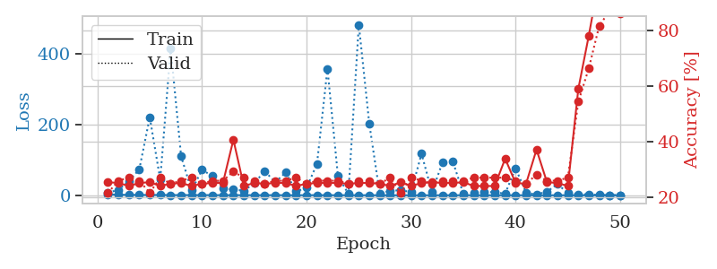
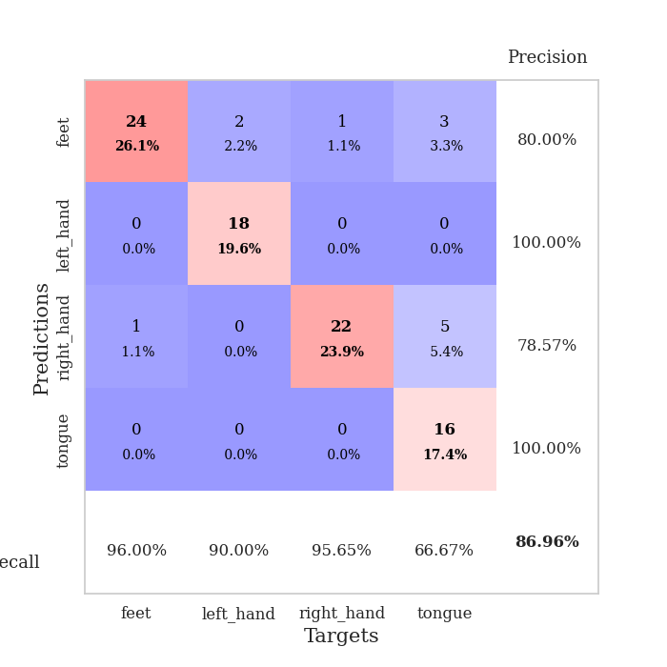
train_loss | valid_loss | train_accuracy | valid_accuracy | dur | train_misclass | valid_misclass
2.7501741026 | 6.8544030397 | 0.25543478261 | 0.21739130435 | 0.11114883423 | 25.543478261 | 21.739130435
1.5091982302 | 15.510554231 | 0.2527173913 | 0.26086956522 | 0.10899281502 | 25.27173913 | 26.086956522
1.0433301744 | 39.929630943 | 0.24184782609 | 0.27173913043 | 0.10275149345 | 24.184782609 | 27.173913043
0.91571258203 | 73.45258862 | 0.2527173913 | 0.26086956522 | 0.10288834572 | 25.27173913 | 26.086956522
0.7260923431 | 221.36511562 | 0.25543478261 | 0.21739130435 | 0.105707407 | 25.543478261 | 21.739130435
0.88319034162 | 44.421525375 | 0.24184782609 | 0.27173913043 | 0.1129784584 | 24.184782609 | 27.173913043
0.48143703069 | 416.81974992 | 0.25 | 0.25 | 0.11095929146 | 25 | 25
0.49544661079 | 110.42290198 | 0.2527173913 | 0.26086956522 | 0.10898351669 | 25.27173913 | 26.086956522
0.53963687238 | 13.700536189 | 0.24184782609 | 0.27173913043 | 0.10300350189 | 24.184782609 | 27.173913043
0.47199688334 | 72.081019194 | 0.25 | 0.25 | 0.11303377151 | 25 | 25
0.39179667652 | 54.281078007 | 0.2527173913 | 0.26086956522 | 0.10860228539 | 25.27173913 | 26.086956522
0.25607389681 | 19.667009519 | 0.2527173913 | 0.26086956522 | 0.10865950584 | 25.27173913 | 26.086956522
0.33626181244 | 15.921238692 | 0.40760869565 | 0.29347826087 | 0.11240792274 | 40.760869565 | 29.347826087
0.39835799469 | 13.186279131 | 0.24184782609 | 0.27173913043 | 0.12686920166 | 24.184782609 | 27.173913043
0.27092978374 | 33.888804726 | 0.2527173913 | 0.26086956522 | 0.11505937576 | 25.27173913 | 26.086956522
0.28785537823 | 68.978536855 | 0.25 | 0.25 | 0.10294079781 | 25 | 25
0.3053214333 | 36.36254236 | 0.2527173913 | 0.26086956522 | 0.11588740349 | 25.27173913 | 26.086956522
0.23961161599 | 64.737765934 | 0.2527173913 | 0.26086956522 | 0.11261820793 | 25.27173913 | 26.086956522
0.14152518866 | 10.928178538 | 0.24184782609 | 0.27173913043 | 0.1217315197 | 24.184782609 | 27.173913043
0.20514721274 | 20.986389243 | 0.25 | 0.25 | 0.12263250351 | 25 | 25
0.33175641614 | 89.232369133 | 0.2527173913 | 0.26086956522 | 0.12626218796 | 25.27173913 | 26.086956522
0.25380835719 | 359.20349652 | 0.2527173913 | 0.26086956522 | 0.10410642624 | 25.27173913 | 26.086956522
0.15979214308 | 55.007992288 | 0.2527173913 | 0.26086956522 | 0.10718607903 | 25.27173913 | 26.086956522
0.1403074091 | 3.9294214871 | 0.25 | 0.25 | 0.1060488224 | 25 | 25
0.10065850121 | 483.81534477 | 0.2527173913 | 0.26086956522 | 0.10514736176 | 25.27173913 | 26.086956522
0.082553355808 | 203.11287192 | 0.2527173913 | 0.26086956522 | 0.11002445221 | 25.27173913 | 26.086956522
0.046575314132 | 4.9927105904 | 0.25 | 0.25 | 0.10599470139 | 25 | 25
0.06754294708 | 12.381987157 | 0.24184782609 | 0.27173913043 | 0.10820412636 | 24.184782609 | 27.173913043
0.037266454133 | 14.327674949 | 0.25543478261 | 0.21739130435 | 0.10300397873 | 25.543478261 | 21.739130435
0.039127754645 | 9.0190107511 | 0.24184782609 | 0.27173913043 | 0.10665369034 | 24.184782609 | 27.173913043
0.045465892626 | 117.75982235 | 0.2527173913 | 0.26086956522 | 0.10325813293 | 25.27173913 | 26.086956522
0.029751717437 | 8.7140888131 | 0.25543478261 | 0.25 | 0.10391378403 | 25.543478261 | 25
0.025238849786 | 92.919540074 | 0.2527173913 | 0.26086956522 | 0.098915338516 | 25.27173913 | 26.086956522
0.045461818257 | 95.128909235 | 0.2527173913 | 0.26086956522 | 0.10640692711 | 25.27173913 | 26.086956522
0.066719539241 | 4.2152043115 | 0.25543478261 | 0.26086956522 | 0.10166215897 | 25.543478261 | 26.086956522
0.047797569985 | 6.3909874792 | 0.24184782609 | 0.27173913043 | 0.10482740402 | 24.184782609 | 27.173913043
0.019962325981 | 9.8749189377 | 0.24184782609 | 0.27173913043 | 0.10012340546 | 24.184782609 | 27.173913043
0.024911674625 | 8.3159049076 | 0.24184782609 | 0.27173913043 | 0.10092878342 | 24.184782609 | 27.173913043
0.013189079442 | 4.4295198192 | 0.33967391304 | 0.27173913043 | 0.1050555706 | 33.967391304 | 27.173913043
0.032902746725 | 76.481854646 | 0.2527173913 | 0.26086956522 | 0.10982513428 | 25.27173913 | 26.086956522
0.033281201072 | 7.056516129 | 0.25 | 0.25 | 0.10402846336 | 25 | 25
0.024004320908 | 2.3245510848 | 0.3722826087 | 0.28260869565 | 0.1101474762 | 37.22826087 | 28.260869565
0.023335479782 | 10.059076682 | 0.25543478261 | 0.26086956522 | 0.10311388969 | 25.543478261 | 26.086956522
0.014658266308 | 31.715331119 | 0.2527173913 | 0.26086956522 | 0.10413789749 | 25.27173913 | 26.086956522
0.021372119906 | 6.1924578833 | 0.24184782609 | 0.27173913043 | 0.10915136337 | 24.184782609 | 27.173913043
0.012234653663 | 2.8093640286 | 0.58967391304 | 0.54347826087 | 0.10796666145 | 58.967391304 | 54.347826087
0.011973572376 | 2.4123812655 | 0.77989130435 | 0.66304347826 | 0.10721373558 | 77.989130435 | 66.304347826
0.019586157424 | 0.74230228429 | 0.98641304348 | 0.8152173913 | 0.11747312546 | 98.641304348 | 81.52173913
0.025905449167 | 0.51401448639 | 1 | 0.86956521739 | 0.10233640671 | 100 | 86.956521739
0.015047580188 | 0.34957635986 | 1 | 0.85869565217 | 0.10777115822 | 100 | 85.869565217

Best Val accuracy is 0.8695652173913043 and Best test accuracy is 0.8879310344827587

Sheet8
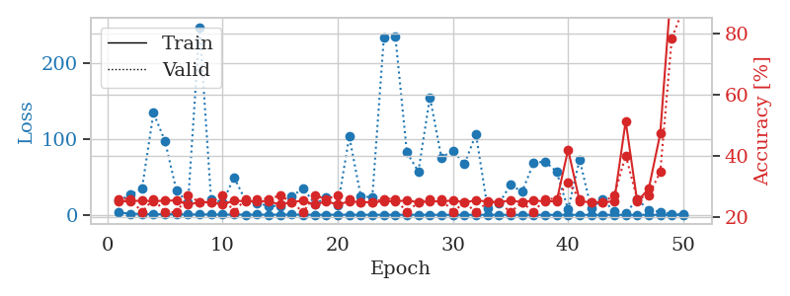
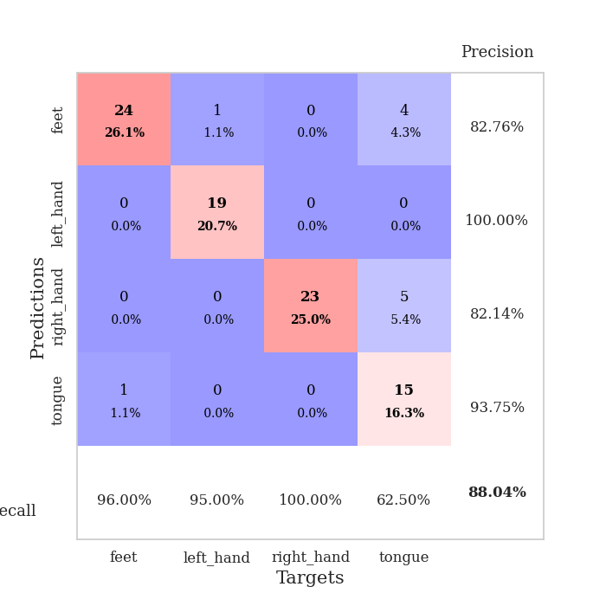
train_loss | valid_loss | train_accuracy | valid_accuracy | dur | train_misclass | valid_misclass
3.1717254338 | 18.97592926 | 0.2527173913 | 0.26086956522 | 0.10588169098 | 25.27173913 | 26.086956522
1.3485667602 | 26.432916061 | 0.2527173913 | 0.26086956522 | 0.10847687721 | 25.27173913 | 26.086956522
1.2723741194 | 34.577091632 | 0.25543478261 | 0.21739130435 | 0.10818004608 | 25.543478261 | 21.739130435
0.77414549693 | 134.73115473 | 0.2527173913 | 0.26086956522 | 0.10433363914 | 25.27173913 | 26.086956522
0.78952761837 | 97.548539867 | 0.25543478261 | 0.21739130435 | 0.10837745667 | 25.543478261 | 21.739130435
0.73345800586 | 31.684157496 | 0.25543478261 | 0.21739130435 | 0.10943102837 | 25.543478261 | 21.739130435
0.54260781407 | 16.102170115 | 0.24184782609 | 0.27173913043 | 0.11328601837 | 24.184782609 | 27.173913043
0.47164503777 | 248.2131832 | 0.25 | 0.25 | 0.10592675209 | 25 | 25
0.60299702377 | 20.489621038 | 0.25 | 0.25 | 0.1056842804 | 25 | 25
0.32400342045 | 16.579945689 | 0.24184782609 | 0.27173913043 | 0.1139857769 | 24.184782609 | 27.173913043
0.4277412846 | 49.522853022 | 0.25543478261 | 0.21739130435 | 0.10127449036 | 25.543478261 | 21.739130435
0.30589729224 | 18.698182852 | 0.2527173913 | 0.26086956522 | 0.10547661781 | 25.27173913 | 26.086956522
0.33285771294 | 15.925746462 | 0.2527173913 | 0.26086956522 | 0.10692477226 | 25.27173913 | 26.086956522
0.24007921585 | 11.514645037 | 0.2527173913 | 0.26086956522 | 0.11096334457 | 25.27173913 | 26.086956522
0.31876127438 | 11.990928526 | 0.24184782609 | 0.27173913043 | 0.10591101646 | 24.184782609 | 27.173913043
0.36360355957 | 24.453030296 | 0.25 | 0.25 | 0.11435103416 | 25 | 25
0.24242739809 | 35.071561399 | 0.25543478261 | 0.21739130435 | 0.10973525047 | 25.543478261 | 21.739130435
0.18544628479 | 14.544804615 | 0.24184782609 | 0.27173913043 | 0.11352777481 | 24.184782609 | 27.173913043
0.23855403576 | 22.532306422 | 0.2527173913 | 0.26086956522 | 0.1038479805 | 25.27173913 | 26.086956522
0.17851143384 | 12.411168513 | 0.24184782609 | 0.27173913043 | 0.10312104225 | 24.184782609 | 27.173913043
0.17776666987 | 103.40025628 | 0.2527173913 | 0.26086956522 | 0.10845136642 | 25.27173913 | 26.086956522
0.15226458394 | 24.633355099 | 0.25 | 0.25 | 0.10631608963 | 25 | 25
0.13183483337 | 23.222581366 | 0.25 | 0.25 | 0.099818706512 | 25 | 25
0.12619675414 | 233.96260734 | 0.2527173913 | 0.26086956522 | 0.10022735596 | 25.27173913 | 26.086956522
0.11232987344 | 235.92180667 | 0.2527173913 | 0.26086956522 | 0.1013071537 | 25.27173913 | 26.086956522
0.08953340918 | 82.542608178 | 0.25543478261 | 0.21739130435 | 0.10035943985 | 25.543478261 | 21.739130435
0.13527140899 | 57.261415564 | 0.25 | 0.25 | 0.097551822662 | 25 | 25
0.12649619892 | 155.53204478 | 0.2527173913 | 0.26086956522 | 0.10410714149 | 25.27173913 | 26.086956522
0.072982167481 | 75.485328674 | 0.2527173913 | 0.26086956522 | 0.10754942894 | 25.27173913 | 26.086956522
0.048812960648 | 85.027604145 | 0.25543478261 | 0.21739130435 | 0.10082387924 | 25.543478261 | 21.739130435
0.073071372933 | 67.135698401 | 0.25 | 0.25 | 0.10240125656 | 25 | 25
0.061050876549 | 106.75907566 | 0.25543478261 | 0.21739130435 | 0.10256242752 | 25.543478261 | 21.739130435
0.090502361851 | 9.307963081 | 0.2527173913 | 0.25 | 0.1126434803 | 25.27173913 | 25
0.061008700499 | 14.841149206 | 0.25 | 0.25 | 0.10249233246 | 25 | 25
0.063009539508 | 39.827987173 | 0.25543478261 | 0.21739130435 | 0.1045627594 | 25.543478261 | 21.739130435
0.058114759401 | 30.504100053 | 0.25 | 0.25 | 0.1065568924 | 25 | 25
0.037841940203 | 68.303290989 | 0.25543478261 | 0.21739130435 | 0.1013944149 | 25.543478261 | 21.739130435
0.036760942813 | 70.741451429 | 0.2527173913 | 0.26086956522 | 0.10453414917 | 25.27173913 | 26.086956522
0.047465062038 | 57.144001836 | 0.2527173913 | 0.26086956522 | 0.10828661919 | 25.27173913 | 26.086956522
0.02602268061 | 7.2762785994 | 0.42119565217 | 0.3152173913 | 0.10895729065 | 42.119565217 | 31.52173913
0.047824759082 | 73.250846199 | 0.2527173913 | 0.26086956522 | 0.11003637314 | 25.27173913 | 26.086956522
0.020021737242 | 8.4150060985 | 0.25 | 0.25 | 0.1127986908 | 25 | 25
0.027556841563 | 20.471463494 | 0.25 | 0.25 | 0.10451817513 | 25 | 25
0.012286485851 | 4.5541208101 | 0.2527173913 | 0.27173913043 | 0.10444116592 | 25.27173913 | 27.173913043
0.023663222916 | 2.5684488493 | 0.51358695652 | 0.40217391304 | 0.11264467239 | 51.358695652 | 40.217391304
0.027447102156 | 20.076047566 | 0.2527173913 | 0.26086956522 | 0.10416674614 | 25.27173913 | 26.086956522
0.025144582212 | 6.8381403425 | 0.29347826087 | 0.27173913043 | 0.1148006916 | 29.347826087 | 27.173913043
0.026694908043 | 3.7085495513 | 0.47282608696 | 0.34782608696 | 0.1058473587 | 47.282608696 | 34.782608696
0.017210756679 | 0.90848309838 | 0.97282608696 | 0.78260869565 | 0.11010289192 | 97.282608696 | 78.260869565
0.014249743889 | 0.46983551623 | 1 | 0.88043478261 | 0.10893082619 | 100 | 88.043478261

Best Val accuracy is 0.8804347826086957 and Best test accuracy is 0.9051724137931034

Sheet9
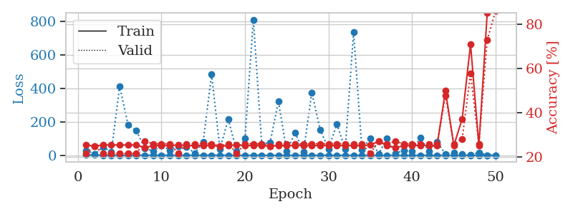
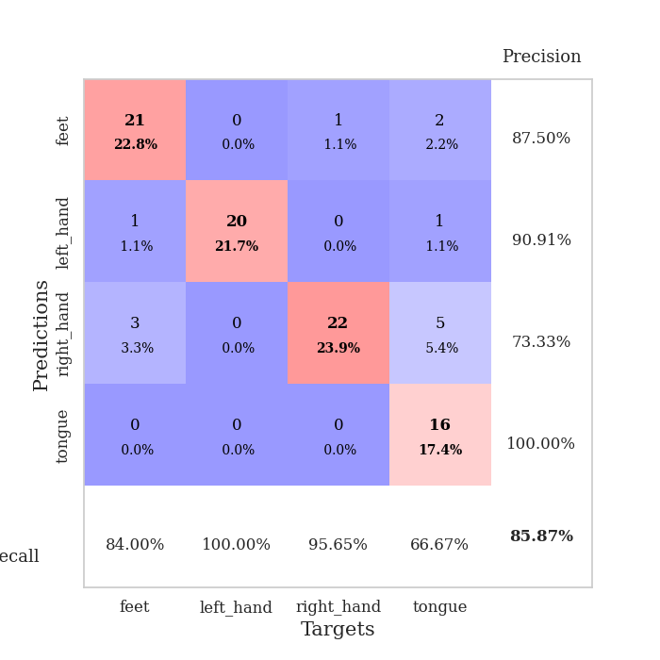
train_loss | valid_loss | train_accuracy | valid_accuracy | dur | train_misclass | valid_misclass
2.4092124338 | 30.274689052 | 0.25543478261 | 0.21739130435 | 0.10135674477 | 25.543478261 | 21.739130435
1.2347913086 | 7.9588555046 | 0.25 | 0.25 | 0.10185790062 | 25 | 25
0.87424678258 | 48.799341616 | 0.25543478261 | 0.21739130435 | 0.10587954521 | 25.543478261 | 21.739130435
0.68081018977 | 20.563980434 | 0.25543478261 | 0.21739130435 | 0.10781168938 | 25.543478261 | 21.739130435
0.77267798781 | 414.00483372 | 0.25543478261 | 0.21739130435 | 0.10735225677 | 25.543478261 | 21.739130435
0.65161592934 | 183.79624541 | 0.25543478261 | 0.21739130435 | 0.09925532341 | 25.543478261 | 21.739130435
0.60313569528 | 147.39922432 | 0.25543478261 | 0.21739130435 | 0.1058409214 | 25.543478261 | 21.739130435
0.60586591356 | 41.733214669 | 0.24184782609 | 0.27173913043 | 0.10753250122 | 24.184782609 | 27.173913043
0.49382463373 | 26.128701251 | 0.2527173913 | 0.26086956522 | 0.11370682716 | 25.27173913 | 26.086956522
0.52325843372 | 60.681872658 | 0.2527173913 | 0.26086956522 | 0.11433196068 | 25.27173913 | 26.086956522
0.36122315928 | 30.84330028 | 0.2527173913 | 0.26086956522 | 0.10764670372 | 25.27173913 | 26.086956522
0.39899678415 | 54.573010154 | 0.25543478261 | 0.21739130435 | 0.10893583298 | 25.543478261 | 21.739130435
0.29662236604 | 50.745968528 | 0.2527173913 | 0.26086956522 | 0.10798239708 | 25.27173913 | 26.086956522
0.32487132789 | 12.22742599 | 0.2527173913 | 0.26086956522 | 0.11087083817 | 25.27173913 | 26.086956522
0.25190379564 | 81.829364279 | 0.2527173913 | 0.26086956522 | 0.10483503342 | 25.27173913 | 26.086956522
0.28320435317 | 483.70269112 | 0.2527173913 | 0.26086956522 | 0.10507369041 | 25.27173913 | 26.086956522
0.3284506733 | 36.88696853 | 0.25 | 0.25 | 0.10280752182 | 25 | 25
0.21165254072 | 215.97108858 | 0.2527173913 | 0.26086956522 | 0.11223959923 | 25.27173913 | 26.086956522
0.17817653367 | 25.544559645 | 0.25543478261 | 0.21739130435 | 0.10489320755 | 25.543478261 | 21.739130435
0.23138355008 | 99.484102995 | 0.2527173913 | 0.26086956522 | 0.10268998146 | 25.27173913 | 26.086956522
0.1612866731 | 812.08863632 | 0.2527173913 | 0.26086956522 | 0.1005795002 | 25.27173913 | 26.086956522
0.12840859017 | 69.103825776 | 0.2527173913 | 0.26086956522 | 0.10934472084 | 25.27173913 | 26.086956522
0.17643691115 | 75.068650951 | 0.25 | 0.25 | 0.10999894142 | 25 | 25
0.099012114108 | 322.97903575 | 0.2527173913 | 0.26086956522 | 0.10304307938 | 25.27173913 | 26.086956522
0.11124894132 | 24.309927318 | 0.2527173913 | 0.26086956522 | 0.10488009453 | 25.27173913 | 26.086956522
0.082691699337 | 136.44539609 | 0.2527173913 | 0.26086956522 | 0.10262656212 | 25.27173913 | 26.086956522
0.060741472767 | 20.66204353 | 0.2527173913 | 0.26086956522 | 0.10398674011 | 25.27173913 | 26.086956522
0.083363648547 | 375.31413999 | 0.2527173913 | 0.26086956522 | 0.1124856472 | 25.27173913 | 26.086956522
0.062544481353 | 153.74415986 | 0.2527173913 | 0.26086956522 | 0.10554718971 | 25.27173913 | 26.086956522
0.087368126776 | 38.742627517 | 0.2527173913 | 0.26086956522 | 0.10455060005 | 25.27173913 | 26.086956522
0.073064060001 | 186.32599739 | 0.2527173913 | 0.26086956522 | 0.11066031456 | 25.27173913 | 26.086956522
0.060680957025 | 38.240881215 | 0.2527173913 | 0.26086956522 | 0.10698890686 | 25.27173913 | 26.086956522
0.082849953243 | 735.70124618 | 0.2527173913 | 0.26086956522 | 0.1084022522 | 25.27173913 | 26.086956522
0.031922357582 | 35.020668527 | 0.2527173913 | 0.26086956522 | 0.10480165482 | 25.27173913 | 26.086956522
0.046481172195 | 102.24242866 | 0.25543478261 | 0.21739130435 | 0.10504126549 | 25.543478261 | 21.739130435
0.025979317416 | 7.9610711388 | 0.27173913043 | 0.27173913043 | 0.10187268257 | 27.173913043 | 27.173913043
0.01960121082 | 102.3557172 | 0.2527173913 | 0.26086956522 | 0.10075926781 | 25.27173913 | 26.086956522
0.037507698026 | 13.82643994 | 0.24184782609 | 0.27173913043 | 0.10708665848 | 24.184782609 | 27.173913043
0.042259220634 | 28.655787344 | 0.2527173913 | 0.26086956522 | 0.10111570358 | 25.27173913 | 26.086956522
0.02510280701 | 26.391439106 | 0.2527173913 | 0.26086956522 | 0.110683918 | 25.27173913 | 26.086956522
0.027842555992 | 104.54207147 | 0.2527173913 | 0.26086956522 | 0.1012814045 | 25.27173913 | 26.086956522
0.042253647146 | 23.916664704 | 0.2527173913 | 0.26086956522 | 0.10425448418 | 25.27173913 | 26.086956522
0.022599557103 | 81.228930598 | 0.2527173913 | 0.26086956522 | 0.10573148727 | 25.27173913 | 26.086956522
0.020929776899 | 7.4205870836 | 0.5 | 0.47826086957 | 0.10828995705 | 50 | 47.826086957
0.042695785832 | 17.674947158 | 0.2527173913 | 0.26086956522 | 0.10795640945 | 25.27173913 | 26.086956522
0.013022895482 | 5.4925504767 | 0.3722826087 | 0.28260869565 | 0.11090350151 | 37.22826087 | 28.260869565
0.014051523515 | 2.9085125301 | 0.70923913043 | 0.57608695652 | 0.10537695885 | 70.923913043 | 57.608695652
0.040007242455 | 16.436835372 | 0.2527173913 | 0.26086956522 | 0.10941267014 | 25.27173913 | 26.086956522
0.02928404137 | 1.0059503213 | 0.85054347826 | 0.72826086957 | 0.10899138451 | 85.054347826 | 72.826086957
0.029693453206 | 0.51614044153 | 1 | 0.85869565217 | 0.11444139481 | 100 | 85.869565217

Best Val accuracy is 0.8586956521739131 and Best test accuracy is 0.8793103448275862

Sheet10
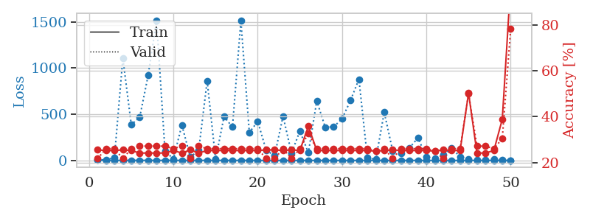
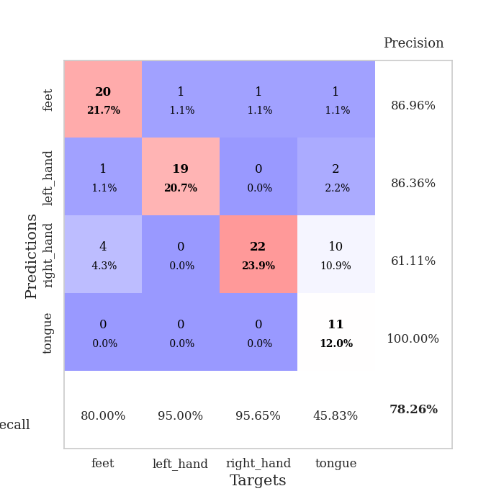
train_loss | valid_loss | train_accuracy | valid_accuracy | dur | train_misclass | valid_misclass
3.0565626777 | 3.4274524087 | 0.25543478261 | 0.21739130435 | 0.10100245476 | 25.543478261 | 21.739130435
1.4435509987 | 8.9937087557 | 0.2527173913 | 0.26086956522 | 0.099063634872 | 25.27173913 | 26.086956522
1.0066364848 | 28.132166572 | 0.2527173913 | 0.26086956522 | 0.10042262077 | 25.27173913 | 26.086956522
0.91652699528 | 1107.1878662 | 0.25543478261 | 0.21739130435 | 0.10261750221 | 25.543478261 | 21.739130435
0.61362693102 | 386.79514611 | 0.2527173913 | 0.26086956522 | 0.10963654518 | 25.27173913 | 26.086956522
0.61964521006 | 467.12069304 | 0.24184782609 | 0.27173913043 | 0.098921537399 | 24.184782609 | 27.173913043
0.6411492695 | 920.03182851 | 0.24184782609 | 0.27173913043 | 0.10242652893 | 24.184782609 | 27.173913043
0.47441189072 | 1518.4248843 | 0.24184782609 | 0.27173913043 | 0.10419297218 | 24.184782609 | 27.173913043
0.62976977423 | 100.58942181 | 0.24184782609 | 0.27173913043 | 0.10806369781 | 24.184782609 | 27.173913043
0.48041132384 | 16.619860856 | 0.2527173913 | 0.26086956522 | 0.10717844963 | 25.27173913 | 26.086956522
0.34319430687 | 384.58279684 | 0.24184782609 | 0.27173913043 | 0.10772919655 | 24.184782609 | 27.173913043
0.45266047104 | 34.049853947 | 0.25543478261 | 0.21739130435 | 0.10376572609 | 25.543478261 | 21.739130435
0.37073645725 | 112.27794017 | 0.24184782609 | 0.27173913043 | 0.10093331337 | 24.184782609 | 27.173913043
0.33329864397 | 862.38484789 | 0.2527173913 | 0.26086956522 | 0.1078979969 | 25.27173913 | 26.086956522
0.2203397942 | 10.506877567 | 0.2527173913 | 0.26086956522 | 0.10405707359 | 25.27173913 | 26.086956522
0.30374516887 | 474.98107379 | 0.2527173913 | 0.26086956522 | 0.10043907166 | 25.27173913 | 26.086956522
0.26405724948 | 361.59772392 | 0.2527173913 | 0.26086956522 | 0.10836458206 | 25.27173913 | 26.086956522
0.28161015758 | 1512.0234375 | 0.2527173913 | 0.26086956522 | 0.10406041145 | 25.27173913 | 26.086956522
0.19147855647 | 302.15841675 | 0.2527173913 | 0.26086956522 | 0.10351109505 | 25.27173913 | 26.086956522
0.18464810713 | 421.77418452 | 0.2527173913 | 0.26086956522 | 0.11303925514 | 25.27173913 | 26.086956522
0.18620810544 | 109.47945205 | 0.25543478261 | 0.21739130435 | 0.10270738602 | 25.543478261 | 21.739130435
0.19583541928 | 51.422836967 | 0.25543478261 | 0.21739130435 | 0.10588884354 | 25.543478261 | 21.739130435
0.15324113615 | 479.71850851 | 0.2527173913 | 0.26086956522 | 0.11128330231 | 25.27173913 | 26.086956522
0.15532476342 | 78.789032646 | 0.25543478261 | 0.21739130435 | 0.10377168655 | 25.543478261 | 21.739130435
0.081962577472 | 318.51922475 | 0.2527173913 | 0.26086956522 | 0.10363602638 | 25.27173913 | 26.086956522
0.071328564871 | 82.662492337 | 0.35869565217 | 0.32608695652 | 0.10362052917 | 35.869565217 | 32.608695652
0.046074199834 | 644.43148671 | 0.2527173913 | 0.26086956522 | 0.11232280731 | 25.27173913 | 26.086956522
0.096665283857 | 359.74851791 | 0.2527173913 | 0.26086956522 | 0.10035133362 | 25.27173913 | 26.086956522
0.057338879768 | 363.82967609 | 0.2527173913 | 0.26086956522 | 0.10083007812 | 25.27173913 | 26.086956522
0.066982177061 | 450.50122468 | 0.2527173913 | 0.26086956522 | 0.10894536972 | 25.27173913 | 26.086956522
0.060430676059 | 649.6172963 | 0.2527173913 | 0.26086956522 | 0.10741519928 | 25.27173913 | 26.086956522
0.069512334632 | 879.65909742 | 0.2527173913 | 0.26086956522 | 0.10244250298 | 25.27173913 | 26.086956522
0.043043041814 | 26.317952695 | 0.2527173913 | 0.26086956522 | 0.10060977936 | 25.27173913 | 26.086956522
0.027339064753 | 10.203502738 | 0.25 | 0.25 | 0.10406589508 | 25 | 25
0.032469584338 | 521.63685144 | 0.2527173913 | 0.26086956522 | 0.10244250298 | 25.27173913 | 26.086956522
0.021327535698 | 104.09352941 | 0.25543478261 | 0.21739130435 | 0.10621380806 | 25.543478261 | 21.739130435
0.026661199629 | 78.574446968 | 0.2527173913 | 0.26086956522 | 0.10219287872 | 25.27173913 | 26.086956522
0.025478611857 | 137.49560016 | 0.2527173913 | 0.26086956522 | 0.10224294662 | 25.27173913 | 26.086956522
0.0179207742 | 243.12663136 | 0.2527173913 | 0.26086956522 | 0.1079325676 | 25.27173913 | 26.086956522
0.011438401335 | 37.280794392 | 0.2527173913 | 0.26086956522 | 0.10095787048 | 25.27173913 | 26.086956522
0.031472281659 | 20.436153039 | 0.25 | 0.25 | 0.11030769348 | 25 | 25
0.022188927459 | 61.599268043 | 0.25543478261 | 0.21739130435 | 0.11143326759 | 25.543478261 | 21.739130435
0.013980255344 | 130.8393757 | 0.2527173913 | 0.26086956522 | 0.1057908535 | 25.27173913 | 26.086956522
0.023495044387 | 40.355792999 | 0.2527173913 | 0.26086956522 | 0.10956096649 | 25.27173913 | 26.086956522
0.028932944211 | 11.957789048 | 0.5027173913 | 0.5 | 0.10705161095 | 50.27173913 | 50
0.015986599613 | 7.0618850045 | 0.24184782609 | 0.27173913043 | 0.10806560516 | 24.184782609 | 27.173913043
0.021010649512 | 5.2578697412 | 0.24184782609 | 0.27173913043 | 0.11253857613 | 24.184782609 | 27.173913043
0.023706546109 | 15.499193482 | 0.2527173913 | 0.26086956522 | 0.11149263382 | 25.27173913 | 26.086956522
0.025047283305 | 4.8920470321 | 0.38858695652 | 0.30434782609 | 0.10661077499 | 38.858695652 | 30.434782609
0.016777000749 | 0.87894074943 | 0.98097826087 | 0.78260869565 | 0.11319828033 | 98.097826087 | 78.260869565

Best Val accuracy is 0.782608695652174 and Best test accuracy is 0.8017241379310345

