Sheet
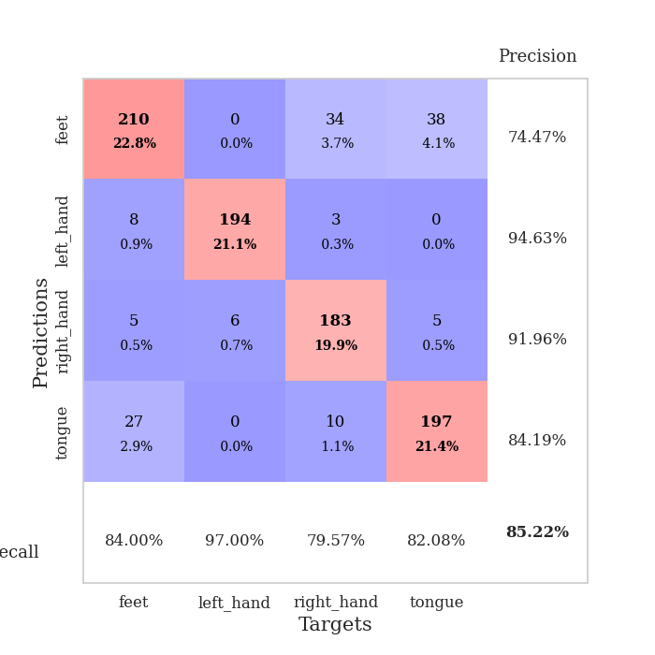
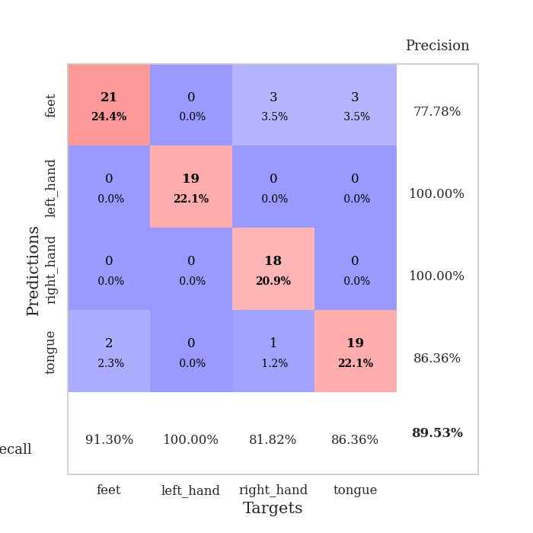
best_val_acc | best_val_los | best_test_acc
0.91304347826 | 0.35170763018 | 0.81896551724
0.85869565217 | 0.48120060693 | 0.81034482759
0.84782608696 | 0.52950036914 | 0.79310344828
0.85869565217 | 0.35658970993 | 0.8275862069
0.83695652174 | 0.53129868145 | 0.84482758621
0.86956521739 | 0.49207114331 | 0.81034482759
0.80434782609 | 0.61027094203 | 0.8275862069
0.86956521739 | 0.4868159346 | 0.83620689655
0.82608695652 | 0.47145868514 | 0.83620689655
0.83695652174 | 0.67825805882 | 0.83620689655

Mean,std Val accuracy is 0.8521739130434783 , 0.02952398374994688 and mean, std test accuracy is 0.8241379310344827 , 0.015843734197804847

Sheet1
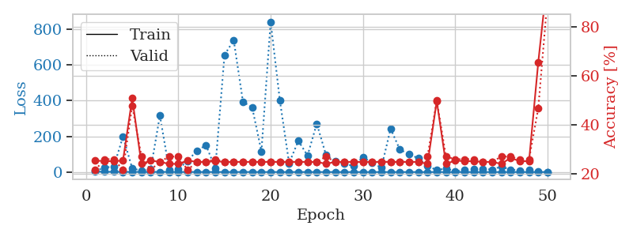
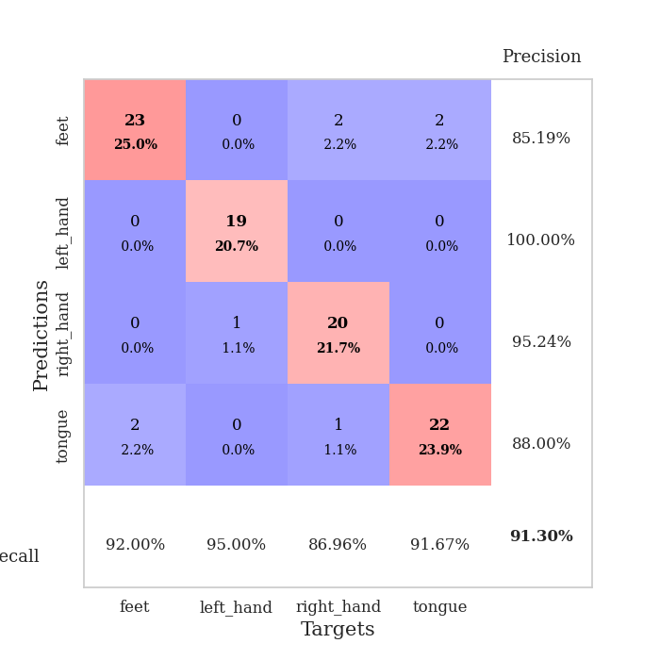
train_loss | valid_loss | train_accuracy | valid_accuracy | dur | train_misclass | valid_misclass
2.9491573624 | 5.5312573184 | 0.25543478261 | 0.21739130435 | 0.10381531715 | 25.543478261 | 21.739130435
1.3291949967 | 25.146108876 | 0.2527173913 | 0.26086956522 | 0.1067814827 | 25.27173913 | 26.086956522
1.3032786483 | 30.049073675 | 0.2527173913 | 0.26086956522 | 0.11062765121 | 25.27173913 | 26.086956522
0.95347088057 | 198.03885551 | 0.25543478261 | 0.21739130435 | 0.10116410255 | 25.543478261 | 21.739130435
0.9125649333 | 20.634286217 | 0.50815217391 | 0.47826086957 | 0.10329818726 | 50.815217391 | 47.826086957
0.71400870448 | 7.5502271652 | 0.24184782609 | 0.27173913043 | 0.10363864899 | 24.184782609 | 27.173913043
0.65910521927 | 14.371023759 | 0.25543478261 | 0.21739130435 | 0.10533618927 | 25.543478261 | 21.739130435
0.7921349931 | 316.74424943 | 0.25 | 0.25 | 0.10759496689 | 25 | 25
0.83200333689 | 13.790777538 | 0.24184782609 | 0.27173913043 | 0.10736465454 | 24.184782609 | 27.173913043
0.53293563911 | 17.422777342 | 0.24184782609 | 0.27173913043 | 0.10130405426 | 24.184782609 | 27.173913043
0.38595740465 | 61.397163059 | 0.25543478261 | 0.21739130435 | 0.098254442215 | 25.543478261 | 21.739130435
0.43236002585 | 119.54563705 | 0.25 | 0.25 | 0.10556483269 | 25 | 25
0.39899546135 | 150.04001584 | 0.25 | 0.25 | 0.1038787365 | 25 | 25
0.45638081691 | 20.065819326 | 0.2527173913 | 0.26086956522 | 0.10807037354 | 25.27173913 | 26.086956522
0.31168697629 | 655.45589547 | 0.25 | 0.25 | 0.10321521759 | 25 | 25
0.41946704329 | 738.51980458 | 0.25 | 0.25 | 0.10714006424 | 25 | 25
0.40639370502 | 393.12985229 | 0.25 | 0.25 | 0.11550116539 | 25 | 25
0.29427141251 | 361.93742968 | 0.25 | 0.25 | 0.10432648659 | 25 | 25
0.21059693566 | 115.28859114 | 0.25 | 0.25 | 0.10531449318 | 25 | 25
0.24149049434 | 841.65352199 | 0.25 | 0.25 | 0.11068749428 | 25 | 25
0.26438002742 | 400.22977879 | 0.25 | 0.25 | 0.107213974 | 25 | 25
0.23408044794 | 49.542401521 | 0.25 | 0.25 | 0.1138651371 | 25 | 25
0.23620323505 | 174.50461612 | 0.25 | 0.25 | 0.10014843941 | 25 | 25
0.15575020169 | 92.389972521 | 0.25 | 0.25 | 0.10730981827 | 25 | 25
0.14743053982 | 270.96296957 | 0.25 | 0.25 | 0.11136865616 | 25 | 25
0.15703646549 | 95.432810244 | 0.24184782609 | 0.27173913043 | 0.10732841492 | 24.184782609 | 27.173913043
0.10611306378 | 60.593558436 | 0.25 | 0.25 | 0.10119748116 | 25 | 25
0.091018473163 | 47.180946516 | 0.25 | 0.25 | 0.11737775803 | 25 | 25
0.08311135249 | 33.20650109 | 0.25 | 0.25 | 0.1254029274 | 25 | 25
0.085389649354 | 84.297313193 | 0.25 | 0.25 | 0.12422060966 | 25 | 25
0.064698914471 | 51.052815313 | 0.25 | 0.25 | 0.11248517036 | 25 | 25
0.06694802122 | 24.633303684 | 0.25 | 0.25 | 0.12259531021 | 25 | 25
0.06624289355 | 242.35869632 | 0.25 | 0.25 | 0.11109876633 | 25 | 25
0.12502480393 | 126.08179408 | 0.25 | 0.25 | 0.11457967758 | 25 | 25
0.10005170577 | 99.282068999 | 0.25 | 0.25 | 0.10366511345 | 25 | 25
0.040125641497 | 77.2514874 | 0.25 | 0.25 | 0.10637021065 | 25 | 25
0.033046337249 | 33.773542155 | 0.24184782609 | 0.27173913043 | 0.10703754425 | 24.184782609 | 27.173913043
0.048626424727 | 10.978626065 | 0.4972826087 | 0.5 | 0.11143302917 | 49.72826087 | 50
0.039937960272 | 19.327403442 | 0.24184782609 | 0.27173913043 | 0.1070253849 | 24.184782609 | 27.173913043
0.060115106849 | 5.4274700414 | 0.25543478261 | 0.26086956522 | 0.10791826248 | 25.543478261 | 26.086956522
0.088920097727 | 10.943643943 | 0.2527173913 | 0.26086956522 | 0.1020655632 | 25.27173913 | 26.086956522
0.0565005861 | 17.49757406 | 0.2527173913 | 0.26086956522 | 0.10288763046 | 25.27173913 | 26.086956522
0.056898184229 | 17.582793402 | 0.25 | 0.25 | 0.10948562622 | 25 | 25
0.049270183162 | 13.858604058 | 0.25 | 0.25 | 0.11210441589 | 25 | 25
0.030931630557 | 30.559798365 | 0.24184782609 | 0.27173913043 | 0.10593175888 | 24.184782609 | 27.173913043
0.02836887093 | 13.122936124 | 0.26630434783 | 0.27173913043 | 0.10944843292 | 26.630434783 | 27.173913043
0.025466422605 | 9.1286988051 | 0.2527173913 | 0.26086956522 | 0.11003518105 | 25.27173913 | 26.086956522
0.042548917457 | 10.294141355 | 0.2527173913 | 0.26086956522 | 0.10291600227 | 25.27173913 | 26.086956522
0.056291414122 | 2.6740090329 | 0.65489130435 | 0.46739130435 | 0.10880088806 | 65.489130435 | 46.739130435
0.042644243318 | 0.35170763018 | 1 | 0.91304347826 | 0.11381173134 | 100 | 91.304347826

Best Val accuracy is 0.9130434782608695 and Best test accuracy is 0.8189655172413793

Sheet2
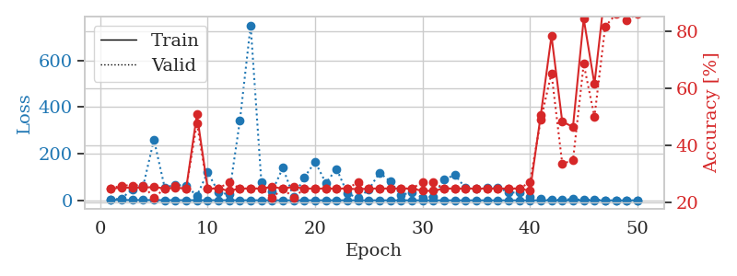
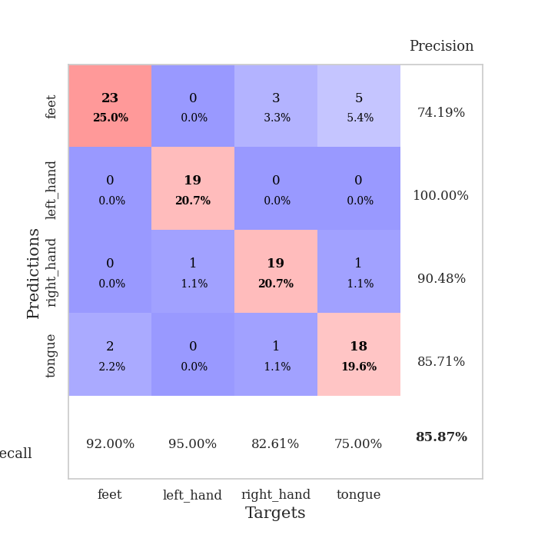
train_loss | valid_loss | train_accuracy | valid_accuracy | dur | train_misclass | valid_misclass
3.0536170965 | 2.5375470493 | 0.25 | 0.25 | 0.099717140198 | 25 | 25
1.2783928047 | 8.7034071839 | 0.2527173913 | 0.26086956522 | 0.10486006737 | 25.27173913 | 26.086956522
1.4229076349 | 47.694044694 | 0.2527173913 | 0.26086956522 | 0.1090555191 | 25.27173913 | 26.086956522
1.4306846157 | 61.216102268 | 0.2527173913 | 0.26086956522 | 0.10580253601 | 25.27173913 | 26.086956522
1.1571217827 | 260.18888921 | 0.25543478261 | 0.21739130435 | 0.10848021507 | 25.543478261 | 21.739130435
0.87035141691 | 54.975230507 | 0.25 | 0.25 | 0.10776877403 | 25 | 25
0.7356324157 | 66.732684592 | 0.2527173913 | 0.26086956522 | 0.099725246429 | 25.27173913 | 26.086956522
0.67417729808 | 61.909032573 | 0.25 | 0.25 | 0.10048007965 | 25 | 25
0.72880092522 | 19.57937763 | 0.50815217391 | 0.47826086957 | 0.10342216492 | 50.815217391 | 47.826086957
0.73081240965 | 120.80228026 | 0.25 | 0.25 | 0.10739088058 | 25 | 25
0.44246121528 | 34.875116929 | 0.25 | 0.25 | 0.09903383255 | 25 | 25
0.55562981445 | 25.338006724 | 0.24184782609 | 0.27173913043 | 0.098041534424 | 24.184782609 | 27.173913043
0.45450788542 | 342.45420108 | 0.25 | 0.25 | 0.09975194931 | 25 | 25
0.46523024725 | 751.12533171 | 0.25 | 0.25 | 0.10518169403 | 25 | 25
0.38849756284 | 76.792725936 | 0.25 | 0.25 | 0.1143219471 | 25 | 25
0.34195289324 | 38.264471469 | 0.25543478261 | 0.21739130435 | 0.10507750511 | 25.543478261 | 21.739130435
0.25658794071 | 139.76997442 | 0.25 | 0.25 | 0.11222100258 | 25 | 25
0.21873668144 | 14.541595542 | 0.25543478261 | 0.21739130435 | 0.1144258976 | 25.543478261 | 21.739130435
0.24188256717 | 98.521118164 | 0.25 | 0.25 | 0.10881757736 | 25 | 25
0.19216667666 | 165.41409567 | 0.25 | 0.25 | 0.10247898102 | 25 | 25
0.21647607061 | 74.369924794 | 0.25 | 0.25 | 0.10900425911 | 25 | 25
0.2848759662 | 134.88234678 | 0.25 | 0.25 | 0.10909795761 | 25 | 25
0.15651787186 | 29.912887324 | 0.25 | 0.25 | 0.10687828064 | 25 | 25
0.1840281625 | 9.6691154397 | 0.2472826087 | 0.27173913043 | 0.10193300247 | 24.72826087 | 27.173913043
0.13438663215 | 46.568973541 | 0.25 | 0.25 | 0.10976219177 | 25 | 25
0.097681483699 | 119.3433536 | 0.25 | 0.25 | 0.11222052574 | 25 | 25
0.15889057254 | 80.118273196 | 0.25 | 0.25 | 0.099080562592 | 25 | 25
0.089699069524 | 22.834737944 | 0.25 | 0.25 | 0.10903358459 | 25 | 25
0.1391120029 | 34.816792032 | 0.25 | 0.25 | 0.1043074131 | 25 | 25
0.095044570732 | 11.813619572 | 0.24184782609 | 0.27173913043 | 0.10802006721 | 24.184782609 | 27.173913043
0.060152205801 | 16.392774831 | 0.24184782609 | 0.27173913043 | 0.11354517937 | 24.184782609 | 27.173913043
0.060946240009 | 88.691222813 | 0.25 | 0.25 | 0.10716438293 | 25 | 25
0.092807541854 | 109.4344708 | 0.25 | 0.25 | 0.10805511475 | 25 | 25
0.091818442669 | 52.685186635 | 0.25 | 0.25 | 0.10618829727 | 25 | 25
0.075787196412 | 48.517701025 | 0.25 | 0.25 | 0.1036939621 | 25 | 25
0.038512959702 | 52.943797899 | 0.25 | 0.25 | 0.1103758812 | 25 | 25
0.044895883913 | 55.860534834 | 0.25 | 0.25 | 0.1084394455 | 25 | 25
0.046801738957 | 34.146163277 | 0.25 | 0.25 | 0.12462735176 | 25 | 25
0.045799466523 | 32.952016499 | 0.25 | 0.25 | 0.12099313736 | 25 | 25
0.033963471773 | 15.082584962 | 0.24184782609 | 0.27173913043 | 0.1105928421 | 24.184782609 | 27.173913043
0.046758611433 | 7.5000714012 | 0.50543478261 | 0.48913043478 | 0.10567545891 | 50.543478261 | 48.913043478
0.040447823693 | 1.0992770143 | 0.78260869565 | 0.65217391304 | 0.10460948944 | 78.260869565 | 65.217391304
0.021605643661 | 3.5784374424 | 0.48369565217 | 0.33695652174 | 0.10818481445 | 48.369565217 | 33.695652174
0.027796876703 | 5.1865387999 | 0.46467391304 | 0.34782608696 | 0.10476589203 | 46.467391304 | 34.782608696
0.051907765315 | 1.5808516171 | 0.84239130435 | 0.6847826087 | 0.10841178894 | 84.239130435 | 68.47826087
0.030864810806 | 4.2095117569 | 0.61413043478 | 0.5 | 0.10475826263 | 61.413043478 | 50
0.034456672557 | 0.65343117455 | 0.94565217391 | 0.8152173913 | 0.10331821442 | 94.565217391 | 81.52173913
0.02292691894 | 0.52933828403 | 0.99456521739 | 0.85869565217 | 0.11181497574 | 99.456521739 | 85.869565217
0.039723479219 | 0.55260616087 | 1 | 0.83695652174 | 0.10708403587 | 100 | 83.695652174
0.052426941754 | 0.48120060693 | 1 | 0.85869565217 | 0.109634161 | 100 | 85.869565217

Best Val accuracy is 0.8586956521739131 and Best test accuracy is 0.8103448275862069

Sheet3
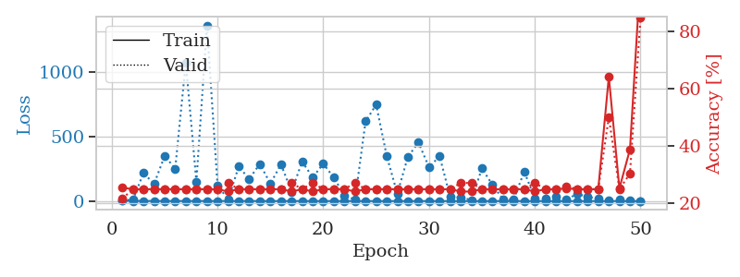
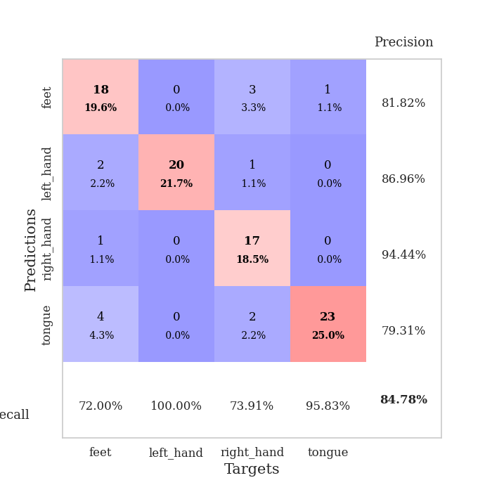
train_loss | valid_loss | train_accuracy | valid_accuracy | dur | train_misclass | valid_misclass
3.2796225703 | 7.2714847896 | 0.25543478261 | 0.21739130435 | 0.10570836067 | 25.543478261 | 21.739130435
1.4995635981 | 9.0906477182 | 0.25 | 0.25 | 0.10900807381 | 25 | 25
0.90876937949 | 217.65392204 | 0.25 | 0.25 | 0.10436701775 | 25 | 25
0.81507475998 | 133.03399791 | 0.25 | 0.25 | 0.10763049126 | 25 | 25
0.71879569279 | 349.31124613 | 0.25 | 0.25 | 0.099226951599 | 25 | 25
0.69172343223 | 252.32527691 | 0.25 | 0.25 | 0.10047006607 | 25 | 25
0.6159342184 | 1076.135575 | 0.25 | 0.25 | 0.10672688484 | 25 | 25
0.61459851848 | 151.10282102 | 0.25 | 0.25 | 0.10261964798 | 25 | 25
0.49975568963 | 1363.1698104 | 0.25 | 0.25 | 0.10566163063 | 25 | 25
0.56031393616 | 123.20253488 | 0.25 | 0.25 | 0.10859537125 | 25 | 25
0.35864966832 | 11.794072649 | 0.24184782609 | 0.27173913043 | 0.10279297829 | 24.184782609 | 27.173913043
0.44626219376 | 266.8685734 | 0.25 | 0.25 | 0.10502386093 | 25 | 25
0.32172618823 | 172.24136817 | 0.25 | 0.25 | 0.1022746563 | 25 | 25
0.36899577551 | 287.8420649 | 0.25 | 0.25 | 0.10610699654 | 25 | 25
0.34111202573 | 135.1979881 | 0.25 | 0.25 | 0.10542678833 | 25 | 25
0.274435641 | 285.14910557 | 0.25 | 0.25 | 0.10562515259 | 25 | 25
0.20527997119 | 73.125280961 | 0.24184782609 | 0.27173913043 | 0.11253118515 | 24.184782609 | 27.173913043
0.32572958165 | 306.88371343 | 0.25 | 0.25 | 0.1119697094 | 25 | 25
0.2565785278 | 182.94237419 | 0.24184782609 | 0.27173913043 | 0.1010632515 | 24.184782609 | 27.173913043
0.25960405171 | 289.98761252 | 0.25 | 0.25 | 0.1100063324 | 25 | 25
0.24592277047 | 181.64301599 | 0.25 | 0.25 | 0.10883545876 | 25 | 25
0.18493732859 | 43.557211171 | 0.25 | 0.25 | 0.10400891304 | 25 | 25
0.100815562 | 10.613357627 | 0.24184782609 | 0.27173913043 | 0.10911726952 | 24.184782609 | 27.173913043
0.11973264 | 619.01414158 | 0.25 | 0.25 | 0.10402822495 | 25 | 25
0.15042042859 | 747.69518247 | 0.25 | 0.25 | 0.11085939407 | 25 | 25
0.13753014176 | 349.97526219 | 0.25 | 0.25 | 0.097572088242 | 25 | 25
0.099401124621 | 56.782105653 | 0.25 | 0.25 | 0.10465168953 | 25 | 25
0.075081089896 | 343.7122962 | 0.25 | 0.25 | 0.10803794861 | 25 | 25
0.049273395749 | 453.79391214 | 0.25 | 0.25 | 0.11082029343 | 25 | 25
0.097141948488 | 262.86153843 | 0.25 | 0.25 | 0.101780653 | 25 | 25
0.068135746927 | 347.88963782 | 0.25 | 0.25 | 0.10750985146 | 25 | 25
0.052880993072 | 31.208944652 | 0.25 | 0.25 | 0.10520863533 | 25 | 25
0.063446520524 | 28.225677324 | 0.24184782609 | 0.27173913043 | 0.10273075104 | 24.184782609 | 27.173913043
0.031283487212 | 8.058818361 | 0.24184782609 | 0.27173913043 | 0.10870838165 | 24.184782609 | 27.173913043
0.031918697656 | 252.88296044 | 0.25 | 0.25 | 0.11372280121 | 25 | 25
0.038934212712 | 125.96603029 | 0.25 | 0.25 | 0.10948061943 | 25 | 25
0.051677679891 | 12.033389009 | 0.25 | 0.25 | 0.10300827026 | 25 | 25
0.033999724197 | 10.880275726 | 0.25 | 0.25 | 0.10296320915 | 25 | 25
0.047564517899 | 229.49888279 | 0.25 | 0.25 | 0.10603737831 | 25 | 25
0.029915761668 | 19.568083805 | 0.24184782609 | 0.27173913043 | 0.11097431183 | 24.184782609 | 27.173913043
0.024145950225 | 19.331636014 | 0.25 | 0.25 | 0.10901880264 | 25 | 25
0.022996309694 | 30.944639455 | 0.25 | 0.25 | 0.10795974731 | 25 | 25
0.037313857419 | 9.5399657332 | 0.2527173913 | 0.26086956522 | 0.10598039627 | 25.27173913 | 26.086956522
0.029500413642 | 57.527164128 | 0.25 | 0.25 | 0.10240364075 | 25 | 25
0.031563465056 | 31.956996088 | 0.25 | 0.25 | 0.10743236542 | 25 | 25
0.020203283077 | 17.649485215 | 0.25 | 0.25 | 0.10764431953 | 25 | 25
0.018155360985 | 3.4596620124 | 0.64130434783 | 0.5 | 0.11044502258 | 64.130434783 | 50
0.044812983054 | 11.701139574 | 0.2527173913 | 0.25 | 0.10325670242 | 25.27173913 | 25
0.038401424958 | 5.7083960616 | 0.38858695652 | 0.30434782609 | 0.10317897797 | 38.858695652 | 30.434782609
0.01354701276 | 0.52950036914 | 1 | 0.84782608696 | 0.10749387741 | 100 | 84.782608696

Best Val accuracy is 0.8478260869565217 and Best test accuracy is 0.7931034482758621

Sheet4
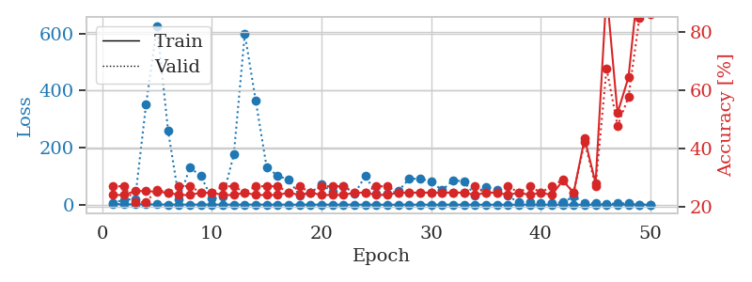

train_loss | valid_loss | train_accuracy | valid_accuracy | dur | train_misclass | valid_misclass
2.449406629 | 6.7206084832 | 0.24184782609 | 0.27173913043 | 0.099141836166 | 24.184782609 | 27.173913043
1.3084884001 | 17.038495022 | 0.24184782609 | 0.27173913043 | 0.098860263824 | 24.184782609 | 27.173913043
1.22395411 | 20.445716194 | 0.25543478261 | 0.21739130435 | 0.099369764328 | 25.543478261 | 21.739130435
1.2074036158 | 352.47853685 | 0.25543478261 | 0.21739130435 | 0.098272800446 | 25.543478261 | 21.739130435
0.81607915526 | 626.7949378 | 0.2527173913 | 0.26086956522 | 0.10616087914 | 25.27173913 | 26.086956522
0.67848505015 | 260.57576918 | 0.25 | 0.25 | 0.10305500031 | 25 | 25
0.6561029236 | 20.191715323 | 0.24184782609 | 0.27173913043 | 0.1056137085 | 24.184782609 | 27.173913043
0.41458376076 | 130.28470645 | 0.24184782609 | 0.27173913043 | 0.10146021843 | 24.184782609 | 27.173913043
0.48704596836 | 100.15700597 | 0.25 | 0.25 | 0.10058689117 | 25 | 25
0.58543253949 | 21.362713855 | 0.25 | 0.25 | 0.11126494408 | 25 | 25
0.36946626137 | 28.011127804 | 0.24184782609 | 0.27173913043 | 0.10878419876 | 24.184782609 | 27.173913043
0.35084260126 | 175.48656165 | 0.24184782609 | 0.27173913043 | 0.1059782505 | 24.184782609 | 27.173913043
0.35979961021 | 599.36799157 | 0.25 | 0.25 | 0.10934281349 | 25 | 25
0.34661286502 | 364.03156977 | 0.24184782609 | 0.27173913043 | 0.10586237907 | 24.184782609 | 27.173913043
0.48910134707 | 129.92295439 | 0.24184782609 | 0.27173913043 | 0.10126042366 | 24.184782609 | 27.173913043
0.3144210956 | 101.98246865 | 0.24184782609 | 0.27173913043 | 0.11291456223 | 24.184782609 | 27.173913043
0.29606737739 | 86.82362996 | 0.25 | 0.25 | 0.1028907299 | 25 | 25
0.21753652936 | 33.590863352 | 0.24184782609 | 0.27173913043 | 0.10360479355 | 24.184782609 | 27.173913043
0.23290781069 | 40.559384885 | 0.25 | 0.25 | 0.10345077515 | 25 | 25
0.26102523732 | 71.990337538 | 0.24184782609 | 0.27173913043 | 0.10180902481 | 24.184782609 | 27.173913043
0.26977325897 | 43.696766231 | 0.24184782609 | 0.27173913043 | 0.10197353363 | 24.184782609 | 27.173913043
0.20603277165 | 66.558736055 | 0.24184782609 | 0.27173913043 | 0.11163663864 | 24.184782609 | 27.173913043
0.14759971485 | 37.78437573 | 0.25 | 0.25 | 0.10539841652 | 25 | 25
0.12768372079 | 100.79165782 | 0.25 | 0.25 | 0.11016869545 | 25 | 25
0.14265365947 | 38.020995264 | 0.24184782609 | 0.27173913043 | 0.10362815857 | 24.184782609 | 27.173913043
0.090293920073 | 37.998119354 | 0.24184782609 | 0.27173913043 | 0.10777139664 | 24.184782609 | 27.173913043
0.069414238688 | 47.865372865 | 0.25 | 0.25 | 0.10602211952 | 25 | 25
0.1353557349 | 90.408247575 | 0.25 | 0.25 | 0.10666465759 | 25 | 25
0.098442766188 | 91.494537685 | 0.25 | 0.25 | 0.11204886436 | 25 | 25
0.083639093573 | 81.640431611 | 0.25 | 0.25 | 0.10589623451 | 25 | 25
0.045731567514 | 50.316793525 | 0.25 | 0.25 | 0.11024999619 | 25 | 25
0.10848846712 | 86.457387841 | 0.25 | 0.25 | 0.10383701324 | 25 | 25
0.059473811446 | 80.852083953 | 0.25 | 0.25 | 0.10809206963 | 25 | 25
0.062039828988 | 31.863617026 | 0.24184782609 | 0.27173913043 | 0.10124397278 | 24.184782609 | 27.173913043
0.037889586357 | 62.91314747 | 0.25 | 0.25 | 0.11393332481 | 25 | 25
0.028071846341 | 51.693092844 | 0.25 | 0.25 | 0.10669159889 | 25 | 25
0.053185044628 | 30.529459083 | 0.24184782609 | 0.27173913043 | 0.10592484474 | 24.184782609 | 27.173913043
0.026565926514 | 7.9748985456 | 0.25 | 0.25 | 0.10864853859 | 25 | 25
0.04790996752 | 9.8697992822 | 0.24184782609 | 0.27173913043 | 0.10482239723 | 24.184782609 | 27.173913043
0.031281012791 | 7.1977783701 | 0.25 | 0.25 | 0.10373306274 | 25 | 25
0.036746240186 | 6.9106793611 | 0.24184782609 | 0.27173913043 | 0.10998034477 | 24.184782609 | 27.173913043
0.028493146682 | 7.4926639225 | 0.29076086957 | 0.29347826087 | 0.11176657677 | 29.076086957 | 29.347826087
0.052489176036 | 28.718671384 | 0.25 | 0.25 | 0.10353255272 | 25 | 25
0.033441847291 | 6.858182762 | 0.4347826087 | 0.42391304348 | 0.11388134956 | 43.47826087 | 42.391304348
0.040290858511 | 4.2027657136 | 0.28260869565 | 0.27173913043 | 0.10894489288 | 28.260869565 | 27.173913043
0.028959955003 | 0.92505489225 | 0.9375 | 0.67391304348 | 0.10304236412 | 93.75 | 67.391304348
0.041062665531 | 5.1875174979 | 0.52173913043 | 0.47826086957 | 0.10888338089 | 52.173913043 | 47.826086957
0.023548431067 | 4.1654965567 | 0.64402173913 | 0.57608695652 | 0.11314845085 | 64.402173913 | 57.608695652
0.019266414958 | 0.47124665457 | 1 | 0.84782608696 | 0.10364723206 | 100 | 84.782608696
0.027651075661 | 0.35658970993 | 1 | 0.85869565217 | 0.10432720184 | 100 | 85.869565217

Best Val accuracy is 0.8586956521739131 and Best test accuracy is 0.8275862068965517

Sheet5
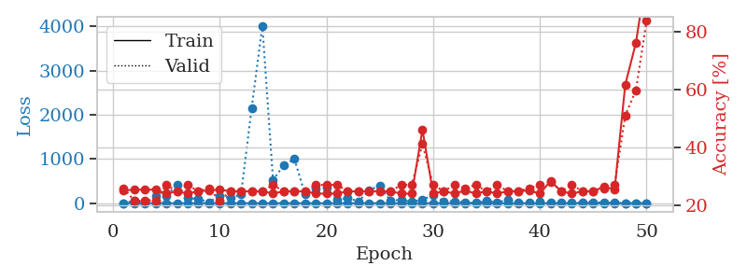
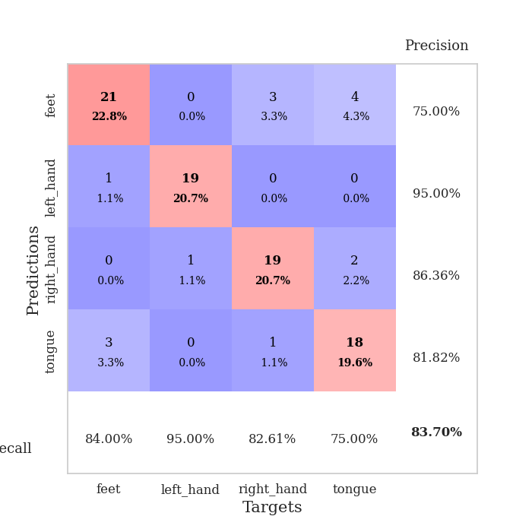
train_loss | valid_loss | train_accuracy | valid_accuracy | dur | train_misclass | valid_misclass
3.3284824827 | 4.7028473356 | 0.2527173913 | 0.26086956522 | 0.10084223747 | 25.27173913 | 26.086956522
1.4389881258 | 55.344022005 | 0.25543478261 | 0.21739130435 | 0.10488915443 | 25.543478261 | 21.739130435
1.0807525464 | 16.218969843 | 0.25543478261 | 0.21739130435 | 0.1065826416 | 25.543478261 | 21.739130435
0.9143006685 | 164.01401951 | 0.25543478261 | 0.21739130435 | 0.10336637497 | 25.543478261 | 21.739130435
0.82446950156 | 167.94679061 | 0.24184782609 | 0.27173913043 | 0.10662484169 | 24.184782609 | 27.173913043
0.64781606003 | 422.71914806 | 0.25 | 0.25 | 0.10280776024 | 25 | 25
0.61518198187 | 114.58062048 | 0.24184782609 | 0.27173913043 | 0.10391807556 | 24.184782609 | 27.173913043
0.55471043677 | 96.999583369 | 0.25 | 0.25 | 0.1050555706 | 25 | 25
0.7037383603 | 24.728409809 | 0.2527173913 | 0.26086956522 | 0.10989713669 | 25.27173913 | 26.086956522
0.66262965034 | 171.16338647 | 0.25543478261 | 0.21739130435 | 0.10451364517 | 25.543478261 | 21.739130435
0.51724437916 | 122.025928 | 0.25 | 0.25 | 0.10162568092 | 25 | 25
0.37851614505 | 195.63633131 | 0.25 | 0.25 | 0.098826646805 | 25 | 25
0.36020777763 | 2156.910135 | 0.25 | 0.25 | 0.10272979736 | 25 | 25
0.34272124456 | 4017.9709685 | 0.25 | 0.25 | 0.10047054291 | 25 | 25
0.54381490365 | 524.58223559 | 0.24184782609 | 0.27173913043 | 0.10591983795 | 24.184782609 | 27.173913043
0.36443718976 | 860.38061523 | 0.25 | 0.25 | 0.10016226768 | 25 | 25
0.30832813048 | 1000.7745202 | 0.25 | 0.25 | 0.098995923996 | 25 | 25
0.31755074065 | 200.05280802 | 0.25 | 0.25 | 0.10973286629 | 25 | 25
0.28485050814 | 341.41346542 | 0.24184782609 | 0.27173913043 | 0.098447084427 | 24.184782609 | 27.173913043
0.22610182607 | 355.49066427 | 0.24184782609 | 0.27173913043 | 0.099066019058 | 24.184782609 | 27.173913043
0.19289629858 | 71.732433153 | 0.24184782609 | 0.27173913043 | 0.099904537201 | 24.184782609 | 27.173913043
0.14547264525 | 120.34045045 | 0.25 | 0.25 | 0.10592603683 | 25 | 25
0.12063528962 | 40.91779344 | 0.25 | 0.25 | 0.10570955276 | 25 | 25
0.15748340045 | 296.20508211 | 0.25 | 0.25 | 0.10617566109 | 25 | 25
0.23692671673 | 397.98461781 | 0.25 | 0.25 | 0.10746264458 | 25 | 25
0.1945926492 | 61.810660984 | 0.25 | 0.25 | 0.10244131088 | 25 | 25
0.16424459 | 73.90441994 | 0.24184782609 | 0.27173913043 | 0.10031032562 | 24.184782609 | 27.173913043
0.11729149966 | 30.827127788 | 0.24184782609 | 0.27173913043 | 0.10589933395 | 24.184782609 | 27.173913043
0.11098671219 | 85.458685502 | 0.46195652174 | 0.41304347826 | 0.098343610764 | 46.195652174 | 41.304347826
0.099460107031 | 175.57241357 | 0.24184782609 | 0.27173913043 | 0.12577676773 | 24.184782609 | 27.173913043
0.12625372746 | 46.10401535 | 0.25 | 0.25 | 0.10786247253 | 25 | 25
0.077383674155 | 44.986618705 | 0.24184782609 | 0.27173913043 | 0.10501646996 | 24.184782609 | 27.173913043
0.083864317863 | 12.286794538 | 0.2527173913 | 0.26086956522 | 0.10819244385 | 25.27173913 | 26.086956522
0.053323281645 | 7.0786826714 | 0.24184782609 | 0.27173913043 | 0.10343694687 | 24.184782609 | 27.173913043
0.069404237418 | 51.653506901 | 0.25 | 0.25 | 0.10379004478 | 25 | 25
0.049717406054 | 22.370074314 | 0.24184782609 | 0.27173913043 | 0.10169267654 | 24.184782609 | 27.173913043
0.046947987345 | 74.49150185 | 0.25 | 0.25 | 0.10698628426 | 25 | 25
0.03342390522 | 19.520608529 | 0.25 | 0.25 | 0.10744714737 | 25 | 25
0.071354093718 | 20.990680031 | 0.2527173913 | 0.26086956522 | 0.10668087006 | 25.27173913 | 26.086956522
0.06167338089 | 34.173015594 | 0.24184782609 | 0.27173913043 | 0.10859465599 | 24.184782609 | 27.173913043
0.045288724309 | 8.2261844096 | 0.28532608696 | 0.28260869565 | 0.095672369003 | 28.532608696 | 28.260869565
0.054619143292 | 20.798584855 | 0.25 | 0.25 | 0.10644984245 | 25 | 25
0.032889808002 | 10.45141473 | 0.24184782609 | 0.27173913043 | 0.1068611145 | 24.184782609 | 27.173913043
0.033067201619 | 14.655364451 | 0.25 | 0.25 | 0.10582900047 | 25 | 25
0.026157340045 | 25.889113385 | 0.25 | 0.25 | 0.11565113068 | 25 | 25
0.023508620615 | 11.697527512 | 0.26630434783 | 0.26086956522 | 0.11455488205 | 26.630434783 | 26.086956522
0.034822272835 | 5.7778839236 | 0.25543478261 | 0.27173913043 | 0.10590577126 | 25.543478261 | 27.173913043
0.022876240516 | 3.4525199351 | 0.61684782609 | 0.51086956522 | 0.10576605797 | 61.684782609 | 51.086956522
0.031195324593 | 1.7844064028 | 0.76086956522 | 0.59782608696 | 0.10472607613 | 76.086956522 | 59.782608696
0.030374140671 | 0.53129868145 | 1 | 0.83695652174 | 0.10680866241 | 100 | 83.695652174

Best Val accuracy is 0.8369565217391305 and Best test accuracy is 0.8448275862068966

Sheet6
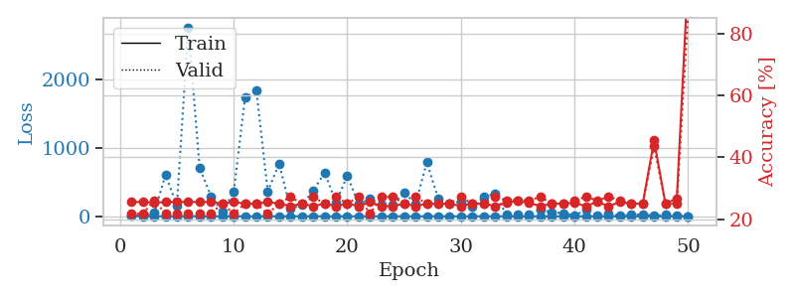
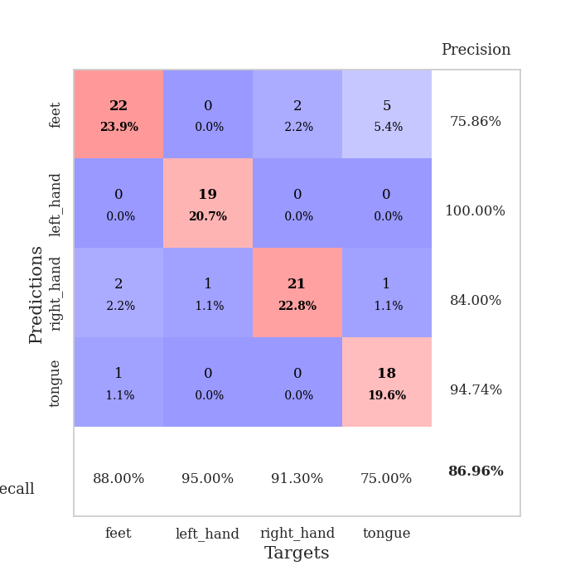
train_loss | valid_loss | train_accuracy | valid_accuracy | dur | train_misclass | valid_misclass
3.5160855625 | 11.105694107 | 0.25543478261 | 0.21739130435 | 0.10326194763 | 25.543478261 | 21.739130435
1.7138827495 | 7.3307845074 | 0.25543478261 | 0.21739130435 | 0.09960103035 | 25.543478261 | 21.739130435
1.0443810432 | 49.334427709 | 0.2527173913 | 0.26086956522 | 0.10056042671 | 25.27173913 | 26.086956522
1.199725094 | 605.55423902 | 0.25543478261 | 0.21739130435 | 0.10154747963 | 25.543478261 | 21.739130435
1.1122555908 | 158.62293277 | 0.25543478261 | 0.21739130435 | 0.10030674934 | 25.543478261 | 21.739130435
0.92458535666 | 2761.9895869 | 0.25543478261 | 0.21739130435 | 0.10274171829 | 25.543478261 | 21.739130435
0.81757945859 | 708.22524626 | 0.25543478261 | 0.21739130435 | 0.098429918289 | 25.543478261 | 21.739130435
0.62514621797 | 293.85800967 | 0.25543478261 | 0.21739130435 | 0.10022330284 | 25.543478261 | 21.739130435
0.63701132782 | 64.579401597 | 0.25 | 0.25 | 0.10300040245 | 25 | 25
0.38686839653 | 352.92786308 | 0.25543478261 | 0.21739130435 | 0.10485076904 | 25.543478261 | 21.739130435
0.46463753607 | 1737.570753 | 0.25 | 0.25 | 0.10825943947 | 25 | 25
0.33440579377 | 1834.7712243 | 0.25 | 0.25 | 0.1085152626 | 25 | 25
0.47151523638 | 364.09168675 | 0.25543478261 | 0.21739130435 | 0.10872101784 | 25.543478261 | 21.739130435
0.44812546282 | 769.73728611 | 0.25 | 0.25 | 0.11824131012 | 25 | 25
0.4131352584 | 110.76751245 | 0.24184782609 | 0.27173913043 | 0.10867810249 | 24.184782609 | 27.173913043
0.34277017852 | 164.809497 | 0.25 | 0.25 | 0.11091637611 | 25 | 25
0.3494085595 | 371.57516878 | 0.24184782609 | 0.27173913043 | 0.10611486435 | 24.184782609 | 27.173913043
0.30926992323 | 638.75115436 | 0.25 | 0.25 | 0.11022949219 | 25 | 25
0.32485116678 | 204.95419643 | 0.24184782609 | 0.27173913043 | 0.10764455795 | 24.184782609 | 27.173913043
0.1826571252 | 589.70715863 | 0.25 | 0.25 | 0.10584521294 | 25 | 25
0.19193688829 | 182.2373916 | 0.24184782609 | 0.27173913043 | 0.10221576691 | 24.184782609 | 27.173913043
0.1445237499 | 255.67676909 | 0.25543478261 | 0.21739130435 | 0.1017935276 | 25.543478261 | 21.739130435
0.24660147921 | 175.3214317 | 0.24184782609 | 0.27173913043 | 0.1067647934 | 24.184782609 | 27.173913043
0.21104166219 | 167.46775154 | 0.24184782609 | 0.27173913043 | 0.1072974205 | 24.184782609 | 27.173913043
0.14446630961 | 348.52126544 | 0.25 | 0.25 | 0.10748457909 | 25 | 25
0.14657980051 | 180.72454303 | 0.24184782609 | 0.27173913043 | 0.11216521263 | 24.184782609 | 27.173913043
0.10049170596 | 788.79826819 | 0.25 | 0.25 | 0.10303688049 | 25 | 25
0.16266859214 | 260.32855357 | 0.25 | 0.25 | 0.10950899124 | 25 | 25
0.17102089852 | 179.58878028 | 0.25 | 0.25 | 0.11105298996 | 25 | 25
0.13349801363 | 221.06355883 | 0.24184782609 | 0.27173913043 | 0.11289048195 | 24.184782609 | 27.173913043
0.10374385957 | 139.52788079 | 0.25 | 0.25 | 0.10069894791 | 25 | 25
0.069073755284 | 279.50415636 | 0.25 | 0.25 | 0.10503101349 | 25 | 25
0.11513395944 | 330.06068619 | 0.24184782609 | 0.27173913043 | 0.10713434219 | 24.184782609 | 27.173913043
0.052224079309 | 25.451326702 | 0.2527173913 | 0.26086956522 | 0.10167622566 | 25.27173913 | 26.086956522
0.093998697607 | 31.123412505 | 0.25815217391 | 0.26086956522 | 0.10492920876 | 25.815217391 | 26.086956522
0.096474470348 | 25.187530269 | 0.2527173913 | 0.26086956522 | 0.10328793526 | 25.27173913 | 26.086956522
0.069909879533 | 101.84128836 | 0.24184782609 | 0.27173913043 | 0.10717606544 | 24.184782609 | 27.173913043
0.066819837125 | 57.38686885 | 0.25 | 0.25 | 0.10777020454 | 25 | 25
0.03974099927 | 45.585065344 | 0.25 | 0.25 | 0.11102867126 | 25 | 25
0.05902732271 | 12.09547358 | 0.2527173913 | 0.26086956522 | 0.10927772522 | 25.27173913 | 26.086956522
0.045374766276 | 91.245339767 | 0.24184782609 | 0.27173913043 | 0.11020851135 | 24.184782609 | 27.173913043
0.050564690731 | 11.259941764 | 0.25543478261 | 0.26086956522 | 0.10361671448 | 25.543478261 | 26.086956522
0.05764496126 | 32.61039651 | 0.24184782609 | 0.27173913043 | 0.10828661919 | 24.184782609 | 27.173913043
0.055549487337 | 5.9184212892 | 0.25543478261 | 0.26086956522 | 0.11017155647 | 25.543478261 | 26.086956522
0.049199928236 | 23.59275312 | 0.25 | 0.25 | 0.10516953468 | 25 | 25
0.039887139054 | 27.03005119 | 0.25 | 0.25 | 0.11402058601 | 25 | 25
0.041003349389 | 6.6418774646 | 0.45380434783 | 0.4347826087 | 0.11381030083 | 45.380434783 | 43.47826087
0.030631012204 | 24.006677462 | 0.25 | 0.25 | 0.11587238312 | 25 | 25
0.043373517034 | 8.9905724318 | 0.26630434783 | 0.25 | 0.10771894455 | 26.630434783 | 25
0.030382222192 | 0.49207114331 | 0.99456521739 | 0.86956521739 | 0.10506510735 | 99.456521739 | 86.956521739

Best Val accuracy is 0.8695652173913043 and Best test accuracy is 0.8103448275862069

Sheet7
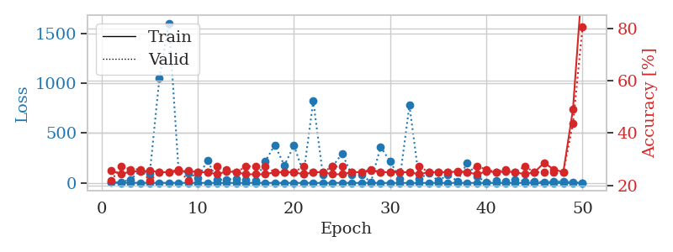
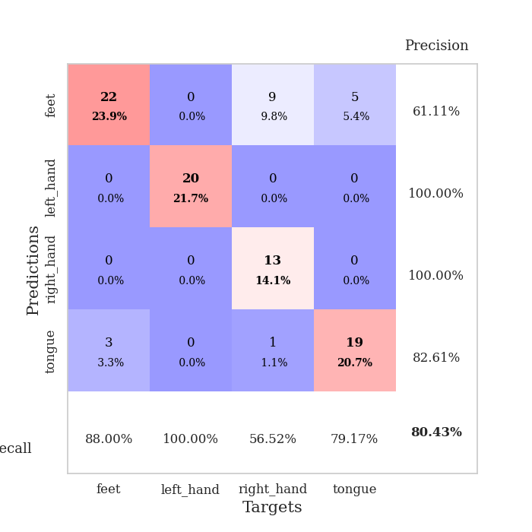
train_loss | valid_loss | train_accuracy | valid_accuracy | dur | train_misclass | valid_misclass
2.9377908629 | 2.4195536634 | 0.25543478261 | 0.21739130435 | 0.10273051262 | 25.543478261 | 21.739130435
1.5810066539 | 6.8281894145 | 0.24184782609 | 0.27173913043 | 0.09831571579 | 24.184782609 | 27.173913043
1.4850638587 | 34.190622744 | 0.2527173913 | 0.26086956522 | 0.10022783279 | 25.27173913 | 26.086956522
1.2904960254 | 121.93988535 | 0.2527173913 | 0.26086956522 | 0.10727071762 | 25.27173913 | 26.086956522
0.88169892715 | 90.641999286 | 0.25543478261 | 0.21739130435 | 0.10577988625 | 25.543478261 | 21.739130435
0.75139581639 | 1050.4261395 | 0.25 | 0.25 | 0.10932183266 | 25 | 25
0.63101497228 | 1604.9738292 | 0.25 | 0.25 | 0.10058403015 | 25 | 25
0.69765177823 | 122.965543 | 0.2527173913 | 0.26086956522 | 0.10603260994 | 25.27173913 | 26.086956522
0.52915720253 | 98.361273392 | 0.25543478261 | 0.21739130435 | 0.10510087013 | 25.543478261 | 21.739130435
0.49137223123 | 48.957711759 | 0.25 | 0.25 | 0.10268330574 | 25 | 25
0.47653597771 | 226.76994058 | 0.25 | 0.25 | 0.10843372345 | 25 | 25
0.39059061266 | 33.340228537 | 0.24184782609 | 0.27173913043 | 0.10779213905 | 24.184782609 | 27.173913043
0.33734630793 | 34.763927211 | 0.2527173913 | 0.26086956522 | 0.10973501205 | 25.27173913 | 26.086956522
0.37651544566 | 40.873456209 | 0.25 | 0.25 | 0.11006188393 | 25 | 25
0.42582258323 | 29.834219145 | 0.24184782609 | 0.27173913043 | 0.10766363144 | 24.184782609 | 27.173913043
0.26442867469 | 23.835883763 | 0.24184782609 | 0.27173913043 | 0.11447477341 | 24.184782609 | 27.173913043
0.27867344313 | 213.60278188 | 0.24184782609 | 0.27173913043 | 0.11153841019 | 24.184782609 | 27.173913043
0.29615724889 | 380.86790533 | 0.25 | 0.25 | 0.11121177673 | 25 | 25
0.24826863837 | 175.74485447 | 0.25 | 0.25 | 0.10704278946 | 25 | 25
0.27282605264 | 376.49304597 | 0.25 | 0.25 | 0.10379767418 | 25 | 25
0.21111637925 | 93.191088137 | 0.24184782609 | 0.27173913043 | 0.10494041443 | 24.184782609 | 27.173913043
0.17267584205 | 822.93107008 | 0.25 | 0.25 | 0.10375094414 | 25 | 25
0.13246062851 | 83.008893552 | 0.25 | 0.25 | 0.11060428619 | 25 | 25
0.14355550464 | 163.15426967 | 0.24184782609 | 0.27173913043 | 0.10731339455 | 24.184782609 | 27.173913043
0.23794950197 | 295.04915984 | 0.24184782609 | 0.27173913043 | 0.11047101021 | 24.184782609 | 27.173913043
0.17232311695 | 80.803011521 | 0.25 | 0.25 | 0.10959172249 | 25 | 25
0.16762098974 | 83.657364223 | 0.25 | 0.25 | 0.11039638519 | 25 | 25
0.15911220002 | 8.4058224015 | 0.25543478261 | 0.26086956522 | 0.11123561859 | 25.543478261 | 26.086956522
0.089939061789 | 362.07264909 | 0.25 | 0.25 | 0.10903811455 | 25 | 25
0.0984189712 | 215.21786433 | 0.25 | 0.25 | 0.11154317856 | 25 | 25
0.12088823564 | 42.410035009 | 0.25 | 0.25 | 0.10834002495 | 25 | 25
0.093920354893 | 778.76388682 | 0.25 | 0.25 | 0.10734653473 | 25 | 25
0.057210028116 | 41.375045279 | 0.24184782609 | 0.27173913043 | 0.10789632797 | 24.184782609 | 27.173913043
0.057916421302 | 95.887357297 | 0.25 | 0.25 | 0.10740971565 | 25 | 25
0.079427520228 | 19.917543411 | 0.25 | 0.25 | 0.10837006569 | 25 | 25
0.087895103568 | 81.769010129 | 0.25 | 0.25 | 0.10757732391 | 25 | 25
0.062347327663 | 18.435892188 | 0.2527173913 | 0.25 | 0.11056375504 | 25.27173913 | 25
0.057905134294 | 202.54708 | 0.25 | 0.25 | 0.10269856453 | 25 | 25
0.051673363499 | 62.388169994 | 0.24184782609 | 0.27173913043 | 0.10546183586 | 24.184782609 | 27.173913043
0.047983253041 | 9.7547648886 | 0.2527173913 | 0.26086956522 | 0.11094212532 | 25.27173913 | 26.086956522
0.037074275801 | 21.712302332 | 0.25 | 0.25 | 0.10317659378 | 25 | 25
0.040262549007 | 11.499538546 | 0.2527173913 | 0.26086956522 | 0.1042714119 | 25.27173913 | 26.086956522
0.03603623032 | 35.022745962 | 0.25 | 0.25 | 0.10590672493 | 25 | 25
0.03280884068 | 18.802580377 | 0.24184782609 | 0.27173913043 | 0.10797309875 | 24.184782609 | 27.173913043
0.030844433577 | 17.738914365 | 0.25 | 0.25 | 0.11002111435 | 25 | 25
0.032479059038 | 6.3405992259 | 0.28532608696 | 0.25 | 0.10491061211 | 28.532608696 | 25
0.039096547832 | 14.467372853 | 0.26086956522 | 0.25 | 0.11139917374 | 26.086956522 | 25
0.0331098778 | 15.753479792 | 0.25 | 0.25 | 0.11117911339 | 25 | 25
0.03996288125 | 5.1959320359 | 0.48913043478 | 0.4347826087 | 0.11129236221 | 48.913043478 | 43.47826087
0.036947560603 | 0.61027094203 | 0.9972826087 | 0.80434782609 | 0.10793614388 | 99.72826087 | 80.434782609

Best Val accuracy is 0.8043478260869565 and Best test accuracy is 0.8275862068965517

Sheet8
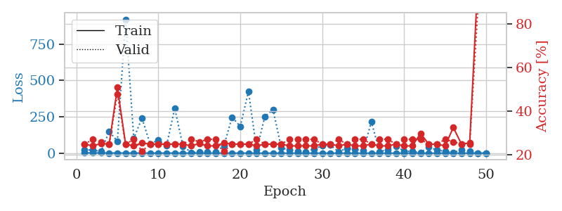
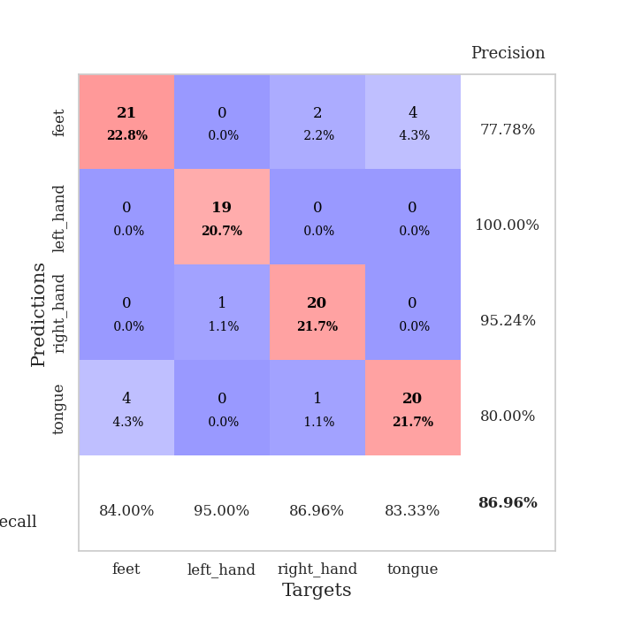
train_loss | valid_loss | train_accuracy | valid_accuracy | dur | train_misclass | valid_misclass
2.5869011672 | 22.400023502 | 0.25 | 0.25 | 0.10724639893 | 25 | 25
1.437412192 | 21.40600785 | 0.24184782609 | 0.27173913043 | 0.10345339775 | 24.184782609 | 27.173913043
1.1785505621 | 11.018945155 | 0.2527173913 | 0.26086956522 | 0.10301280022 | 25.27173913 | 26.086956522
0.92732925907 | 148.61514415 | 0.25 | 0.25 | 0.10787177086 | 25 | 25
1.0593217741 | 82.155354707 | 0.50815217391 | 0.47826086957 | 0.10204124451 | 50.815217391 | 47.826086957
0.69050591828 | 921.19917364 | 0.25 | 0.25 | 0.1098690033 | 25 | 25
0.70957024331 | 102.05156708 | 0.24184782609 | 0.27173913043 | 0.10397005081 | 24.184782609 | 27.173913043
0.57162243128 | 240.96839175 | 0.25543478261 | 0.21739130435 | 0.10844087601 | 25.543478261 | 21.739130435
0.33114954586 | 62.708833943 | 0.25 | 0.25 | 0.10025930405 | 25 | 25
0.37444248893 | 89.790550895 | 0.25 | 0.25 | 0.10774707794 | 25 | 25
0.50463218606 | 51.122283936 | 0.25 | 0.25 | 0.10570645332 | 25 | 25
0.71237574647 | 308.86417687 | 0.25 | 0.25 | 0.10792422295 | 25 | 25
0.40226565204 | 49.556342581 | 0.25 | 0.25 | 0.10464334488 | 25 | 25
0.41746872502 | 4.3970589016 | 0.24184782609 | 0.27173913043 | 0.10403847694 | 24.184782609 | 27.173913043
0.3144478589 | 8.9340707945 | 0.2527173913 | 0.26086956522 | 0.10375952721 | 25.27173913 | 26.086956522
0.25350415739 | 6.8466691764 | 0.24184782609 | 0.27173913043 | 0.10794854164 | 24.184782609 | 27.173913043
0.27287204337 | 9.3309471711 | 0.24184782609 | 0.27173913043 | 0.1098306179 | 24.184782609 | 27.173913043
0.38124815771 | 51.253223585 | 0.25543478261 | 0.21739130435 | 0.1050593853 | 25.543478261 | 21.739130435
0.24805897814 | 247.71078425 | 0.25 | 0.25 | 0.10802912712 | 25 | 25
0.22758890867 | 184.6660216 | 0.25 | 0.25 | 0.10514640808 | 25 | 25
0.17540167766 | 424.98913176 | 0.25 | 0.25 | 0.10978984833 | 25 | 25
0.14818053595 | 21.177125433 | 0.24184782609 | 0.27173913043 | 0.11075425148 | 24.184782609 | 27.173913043
0.16150863521 | 252.57615794 | 0.25 | 0.25 | 0.10171294212 | 25 | 25
0.15853629156 | 299.41807622 | 0.25 | 0.25 | 0.10740494728 | 25 | 25
0.14124143901 | 37.022189265 | 0.25 | 0.25 | 0.10510706902 | 25 | 25
0.10832602237 | 20.810094336 | 0.24184782609 | 0.27173913043 | 0.10904932022 | 24.184782609 | 27.173913043
0.12912832004 | 14.629368077 | 0.24184782609 | 0.27173913043 | 0.10846948624 | 24.184782609 | 27.173913043
0.045348840098 | 10.295001237 | 0.24184782609 | 0.27173913043 | 0.10640931129 | 24.184782609 | 27.173913043
0.074053012123 | 28.768193618 | 0.24184782609 | 0.27173913043 | 0.10731959343 | 24.184782609 | 27.173913043
0.082728618017 | 50.630433456 | 0.25 | 0.25 | 0.10436892509 | 25 | 25
0.066007679055 | 55.907426751 | 0.25 | 0.25 | 0.11191105843 | 25 | 25
0.050975919175 | 9.9082679749 | 0.24184782609 | 0.27173913043 | 0.10031795502 | 24.184782609 | 27.173913043
0.086365987061 | 34.177736034 | 0.25 | 0.25 | 0.099962711334 | 25 | 25
0.06515004131 | 26.412075872 | 0.24184782609 | 0.27173913043 | 0.1096663475 | 24.184782609 | 27.173913043
0.052774114251 | 17.221095127 | 0.24184782609 | 0.27173913043 | 0.10536503792 | 24.184782609 | 27.173913043
0.063160417257 | 214.9404821 | 0.25 | 0.25 | 0.1072576046 | 25 | 25
0.023205971811 | 10.269162344 | 0.24184782609 | 0.27173913043 | 0.10610032082 | 24.184782609 | 27.173913043
0.038635658194 | 23.84773412 | 0.24184782609 | 0.27173913043 | 0.10257720947 | 24.184782609 | 27.173913043
0.07153364937 | 46.432218303 | 0.25 | 0.25 | 0.10286474228 | 25 | 25
0.03482433161 | 14.870246307 | 0.24184782609 | 0.27173913043 | 0.10326600075 | 24.184782609 | 27.173913043
0.036808837549 | 10.869958131 | 0.24184782609 | 0.27173913043 | 0.10872507095 | 24.184782609 | 27.173913043
0.034246820645 | 5.979045785 | 0.29891304348 | 0.27173913043 | 0.10987997055 | 29.891304348 | 27.173913043
0.024063078838 | 40.763256736 | 0.25 | 0.25 | 0.11432647705 | 25 | 25
0.03041518024 | 22.404373832 | 0.25 | 0.25 | 0.10899972916 | 25 | 25
0.028908454752 | 11.404486283 | 0.24184782609 | 0.27173913043 | 0.11220693588 | 24.184782609 | 27.173913043
0.028610307268 | 4.1154416851 | 0.32608695652 | 0.26086956522 | 0.10443353653 | 32.608695652 | 26.086956522
0.035922173431 | 23.290848691 | 0.25 | 0.25 | 0.11214661598 | 25 | 25
0.035484493022 | 11.50550552 | 0.25543478261 | 0.25 | 0.10735249519 | 25.543478261 | 25
0.015812304559 | 0.4868159346 | 1 | 0.86956521739 | 0.10635519028 | 100 | 86.956521739
0.059640093135 | 0.49598589669 | 1 | 0.86956521739 | 0.10363173485 | 100 | 86.956521739

Best Val accuracy is 0.8695652173913043 and Best test accuracy is 0.8362068965517241

Sheet9
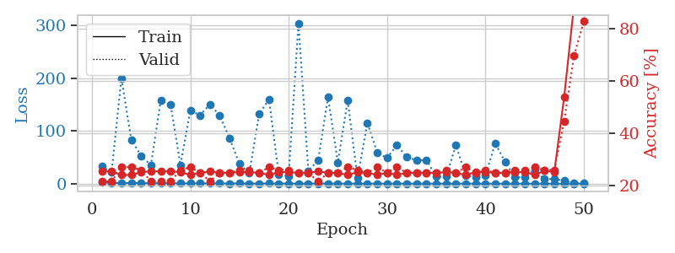
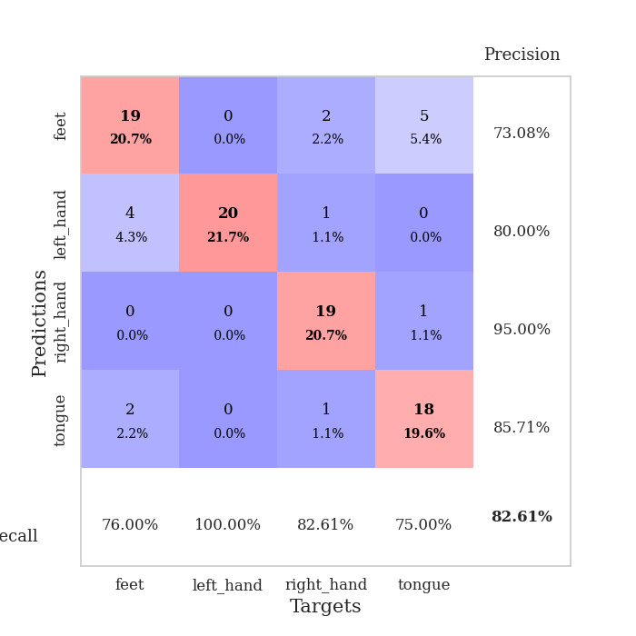
train_loss | valid_loss | train_accuracy | valid_accuracy | dur | train_misclass | valid_misclass
3.0254446631 | 32.999637438 | 0.25543478261 | 0.21739130435 | 0.10449504852 | 25.543478261 | 21.739130435
1.3348491814 | 21.367385615 | 0.25543478261 | 0.21739130435 | 0.10924696922 | 25.543478261 | 21.739130435
1.2126862821 | 200.49489892 | 0.24184782609 | 0.27173913043 | 0.10588288307 | 24.184782609 | 27.173913043
1.1383507394 | 83.540299125 | 0.24184782609 | 0.27173913043 | 0.10554409027 | 24.184782609 | 27.173913043
0.98171514014 | 52.819845614 | 0.2527173913 | 0.26086956522 | 0.098568439484 | 25.27173913 | 26.086956522
0.82093775726 | 35.023801887 | 0.25543478261 | 0.21739130435 | 0.10286593437 | 25.543478261 | 21.739130435
0.74227219302 | 158.76087819 | 0.25543478261 | 0.21739130435 | 0.10572290421 | 25.543478261 | 21.739130435
0.80847405869 | 150.38412608 | 0.25543478261 | 0.21739130435 | 0.10472583771 | 25.543478261 | 21.739130435
0.64539759023 | 35.501978916 | 0.2527173913 | 0.26086956522 | 0.10466694832 | 25.27173913 | 26.086956522
0.50737140328 | 139.16738825 | 0.24184782609 | 0.27173913043 | 0.10264515877 | 24.184782609 | 27.173913043
0.63776452256 | 129.86824799 | 0.25 | 0.25 | 0.10894393921 | 25 | 25
0.4182434542 | 150.86320827 | 0.25543478261 | 0.21739130435 | 0.10726475716 | 25.543478261 | 21.739130435
0.44348132384 | 129.19741788 | 0.25 | 0.25 | 0.10714554787 | 25 | 25
0.41434638316 | 85.950925412 | 0.25 | 0.25 | 0.099377155304 | 25 | 25
0.43985093093 | 37.284688369 | 0.2527173913 | 0.26086956522 | 0.10952830315 | 25.27173913 | 26.086956522
0.35934576587 | 19.870087085 | 0.2527173913 | 0.26086956522 | 0.10284161568 | 25.27173913 | 26.086956522
0.27279608357 | 132.19835066 | 0.25 | 0.25 | 0.10379052162 | 25 | 25
0.42842554402 | 160.31452544 | 0.24184782609 | 0.27173913043 | 0.10887956619 | 24.184782609 | 27.173913043
0.33423730844 | 16.805799194 | 0.2527173913 | 0.26086956522 | 0.10336303711 | 25.27173913 | 26.086956522
0.22759787463 | 14.800526163 | 0.2527173913 | 0.26086956522 | 0.10363197327 | 25.27173913 | 26.086956522
0.21753570008 | 304.6829688 | 0.25 | 0.25 | 0.10918712616 | 25 | 25
0.26315864896 | 24.101916355 | 0.25 | 0.25 | 0.098266601562 | 25 | 25
0.22735954943 | 44.821832574 | 0.25543478261 | 0.21739130435 | 0.10832619667 | 25.543478261 | 21.739130435
0.27798081781 | 164.31462097 | 0.25 | 0.25 | 0.10870528221 | 25 | 25
0.17466516987 | 40.450956759 | 0.25 | 0.25 | 0.11086034775 | 25 | 25
0.11663289757 | 158.14336097 | 0.24184782609 | 0.27173913043 | 0.10937619209 | 24.184782609 | 27.173913043
0.12117471335 | 10.756053157 | 0.2527173913 | 0.26086956522 | 0.10480999947 | 25.27173913 | 26.086956522
0.1261318701 | 115.70729529 | 0.25 | 0.25 | 0.10023021698 | 25 | 25
0.097527693856 | 59.13068987 | 0.24184782609 | 0.27173913043 | 0.10888004303 | 24.184782609 | 27.173913043
0.075522942428 | 48.525068366 | 0.25 | 0.25 | 0.10407423973 | 25 | 25
0.15716621504 | 73.262329433 | 0.24184782609 | 0.27173913043 | 0.1074359417 | 24.184782609 | 27.173913043
0.14668197075 | 50.303857057 | 0.25 | 0.25 | 0.10693573952 | 25 | 25
0.11502590654 | 44.387496285 | 0.25 | 0.25 | 0.1064517498 | 25 | 25
0.10141893063 | 44.730334904 | 0.25 | 0.25 | 0.10827660561 | 25 | 25
0.074459313962 | 13.4876092 | 0.25 | 0.25 | 0.10416889191 | 25 | 25
0.08011073444 | 13.263004303 | 0.2527173913 | 0.26086956522 | 0.10511922836 | 25.27173913 | 26.086956522
0.058767860654 | 72.689952021 | 0.25 | 0.25 | 0.1060025692 | 25 | 25
0.055576372892 | 16.33981431 | 0.24184782609 | 0.27173913043 | 0.1081495285 | 24.184782609 | 27.173913043
0.043065517432 | 12.393868695 | 0.2527173913 | 0.25 | 0.10498356819 | 25.27173913 | 25
0.086699443626 | 14.936873104 | 0.2527173913 | 0.26086956522 | 0.11309170723 | 25.27173913 | 26.086956522
0.051554292936 | 76.764225504 | 0.25 | 0.25 | 0.10720920563 | 25 | 25
0.052390997582 | 41.076480865 | 0.25 | 0.25 | 0.1005358696 | 25 | 25
0.070450042455 | 11.992345271 | 0.2527173913 | 0.26086956522 | 0.10430836678 | 25.27173913 | 26.086956522
0.042906367767 | 11.719541798 | 0.2527173913 | 0.26086956522 | 0.1064388752 | 25.27173913 | 26.086956522
0.035219327106 | 26.407644189 | 0.24184782609 | 0.27173913043 | 0.10971999168 | 24.184782609 | 27.173913043
0.04456551618 | 8.6643880347 | 0.25815217391 | 0.26086956522 | 0.11436581612 | 25.815217391 | 26.086956522
0.044214404269 | 8.6408642064 | 0.2527173913 | 0.26086956522 | 0.1069893837 | 25.27173913 | 26.086956522
0.053033384656 | 5.9017229702 | 0.53804347826 | 0.44565217391 | 0.10723567009 | 53.804347826 | 44.565217391
0.048072717638 | 1.2222088135 | 0.88586956522 | 0.69565217391 | 0.1056368351 | 88.586956522 | 69.565217391
0.04746537855 | 0.47145868514 | 1 | 0.82608695652 | 0.10906672478 | 100 | 82.608695652

Best Val accuracy is 0.8260869565217391 and Best test accuracy is 0.8362068965517241

Sheet10
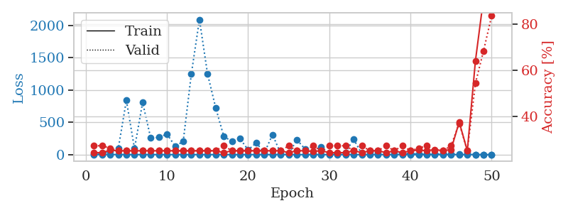
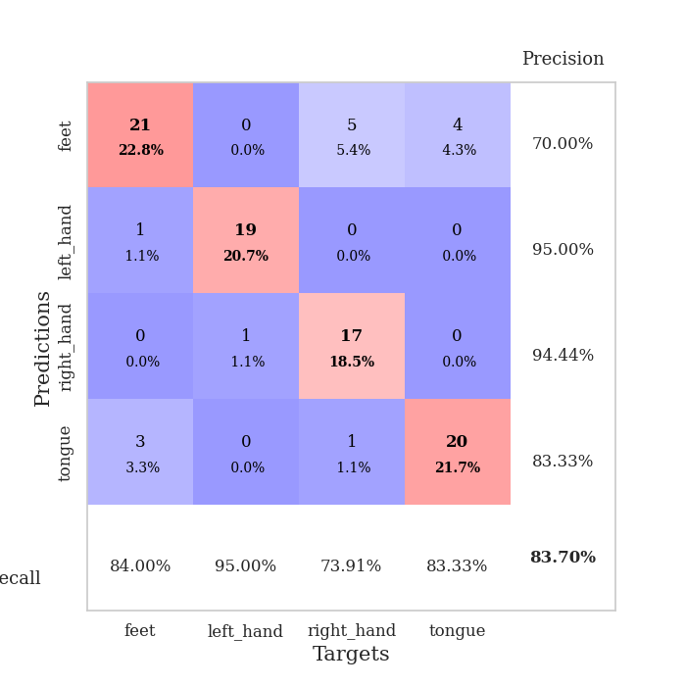
train_loss | valid_loss | train_accuracy | valid_accuracy | dur | train_misclass | valid_misclass
2.4858435548 | 3.4781077737 | 0.24184782609 | 0.27173913043 | 0.10491323471 | 24.184782609 | 27.173913043
1.1554087141 | 6.9317545683 | 0.24184782609 | 0.27173913043 | 0.11102128029 | 24.184782609 | 27.173913043
1.3486381069 | 53.156847249 | 0.2527173913 | 0.26086956522 | 0.10192465782 | 25.27173913 | 26.086956522
1.0708821053 | 91.862069835 | 0.25 | 0.25 | 0.10595941544 | 25 | 25
1.0675892519 | 839.24812914 | 0.25 | 0.25 | 0.098662614822 | 25 | 25
0.84594624263 | 92.313490826 | 0.25 | 0.25 | 0.10901355743 | 25 | 25
0.62876922443 | 806.82596223 | 0.25 | 0.25 | 0.10196661949 | 25 | 25
0.52029039128 | 255.49567115 | 0.25 | 0.25 | 0.10032773018 | 25 | 25
0.44063891406 | 266.35566579 | 0.25 | 0.25 | 0.10463380814 | 25 | 25
0.48002500605 | 318.44999363 | 0.25 | 0.25 | 0.11136770248 | 25 | 25
0.59219530759 | 131.53901407 | 0.25 | 0.25 | 0.10629272461 | 25 | 25
0.54932165859 | 201.60721754 | 0.25 | 0.25 | 0.10097169876 | 25 | 25
0.34773090385 | 1245.2558541 | 0.25 | 0.25 | 0.1165304184 | 25 | 25
0.33066512822 | 2090.2470544 | 0.25 | 0.25 | 0.10837864876 | 25 | 25
0.32863490992 | 1246.9867793 | 0.25 | 0.25 | 0.10156798363 | 25 | 25
0.2752944261 | 726.36343782 | 0.25 | 0.25 | 0.098651647568 | 25 | 25
0.30776979952 | 281.19845581 | 0.24184782609 | 0.27173913043 | 0.099164962769 | 24.184782609 | 27.173913043
0.3021301828 | 204.45562678 | 0.25 | 0.25 | 0.10818648338 | 25 | 25
0.20682096526 | 247.94144008 | 0.25 | 0.25 | 0.10306572914 | 25 | 25
0.24836447584 | 70.729720903 | 0.25 | 0.25 | 0.11196637154 | 25 | 25
0.16313027963 | 183.70429197 | 0.25 | 0.25 | 0.1034488678 | 25 | 25
0.16768506607 | 24.809427593 | 0.25 | 0.25 | 0.10381913185 | 25 | 25
0.13210649468 | 309.45201177 | 0.25 | 0.25 | 0.10763049126 | 25 | 25
0.18754782783 | 20.347541809 | 0.25 | 0.25 | 0.10408139229 | 25 | 25
0.14485384937 | 10.542530226 | 0.24184782609 | 0.27173913043 | 0.1008374691 | 24.184782609 | 27.173913043
0.13934312579 | 229.72442163 | 0.25 | 0.25 | 0.10302734375 | 25 | 25
0.13565044729 | 88.231017735 | 0.25 | 0.25 | 0.10566353798 | 25 | 25
0.12572679289 | 19.41993307 | 0.2472826087 | 0.27173913043 | 0.099544048309 | 24.72826087 | 27.173913043
0.10037546979 | 121.43675033 | 0.25 | 0.25 | 0.10418248177 | 25 | 25
0.10542989312 | 8.6082105637 | 0.24184782609 | 0.27173913043 | 0.10351347923 | 24.184782609 | 27.173913043
0.069270685194 | 18.62915263 | 0.24184782609 | 0.27173913043 | 0.10728573799 | 24.184782609 | 27.173913043
0.054342923767 | 33.651054714 | 0.24184782609 | 0.27173913043 | 0.11108613014 | 24.184782609 | 27.173913043
0.077938234535 | 240.479599 | 0.25 | 0.25 | 0.11307859421 | 25 | 25
0.056626525141 | 8.2056230877 | 0.24184782609 | 0.27173913043 | 0.1097035408 | 24.184782609 | 27.173913043
0.047281500539 | 40.917683643 | 0.25 | 0.25 | 0.10217642784 | 25 | 25
0.062148362013 | 34.507799563 | 0.25 | 0.25 | 0.10300779343 | 25 | 25
0.049761656247 | 12.664129465 | 0.24184782609 | 0.27173913043 | 0.11600065231 | 24.184782609 | 27.173913043
0.052818541481 | 46.314208653 | 0.25 | 0.25 | 0.10321617126 | 25 | 25
0.030888986371 | 11.186945749 | 0.24184782609 | 0.27173913043 | 0.10007596016 | 24.184782609 | 27.173913043
0.031739479796 | 20.189602064 | 0.25 | 0.25 | 0.1048541069 | 25 | 25
0.042139086397 | 11.047493271 | 0.2527173913 | 0.26086956522 | 0.11006951332 | 25.27173913 | 26.086956522
0.029335531361 | 4.9382007226 | 0.25 | 0.27173913043 | 0.10233831406 | 25 | 27.173913043
0.026304121899 | 4.7056465356 | 0.25543478261 | 0.25 | 0.10675764084 | 25.543478261 | 25
0.033411408856 | 20.7281898 | 0.25 | 0.25 | 0.10810947418 | 25 | 25
0.034409036652 | 12.549269925 | 0.25543478261 | 0.27173913043 | 0.10121178627 | 25.543478261 | 27.173913043
0.020069022805 | 3.0743942986 | 0.375 | 0.36956521739 | 0.10660243034 | 37.5 | 36.956521739
0.025095998143 | 30.458247392 | 0.25 | 0.25 | 0.10299873352 | 25 | 25
0.021897468038 | 1.7890814646 | 0.64130434783 | 0.54347826087 | 0.10717129707 | 64.130434783 | 54.347826087
0.019144370724 | 1.7032508591 | 0.91304347826 | 0.6847826087 | 0.10763239861 | 91.304347826 | 68.47826087
0.014129855784 | 0.67825805882 | 1 | 0.83695652174 | 0.10315513611 | 100 | 83.695652174

Best Val accuracy is 0.8369565217391305 and Best test accuracy is 0.8362068965517241

