Sheet
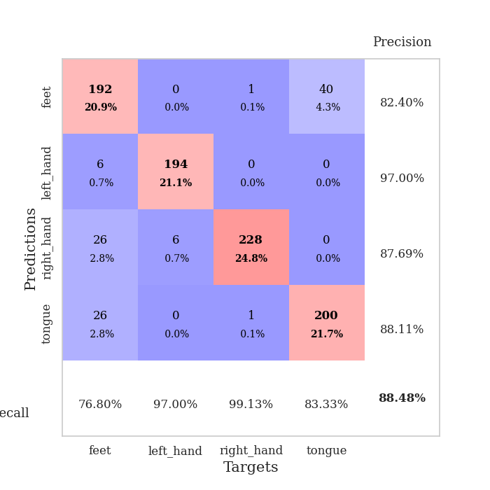
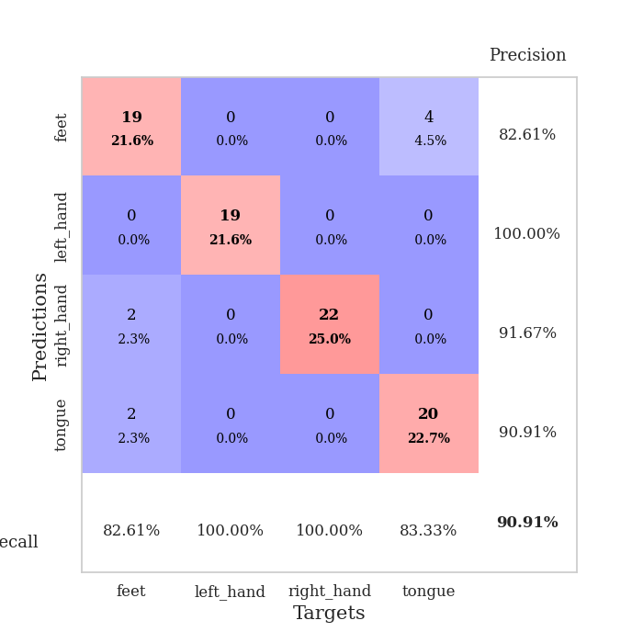
best_val_acc | best_val_los | best_test_acc
0.85869565217 | 0.49531037198 | 0.85344827586
0.88043478261 | 0.37237963226 | 0.86206896552
0.88043478261 | 0.44454113945 | 0.85344827586
0.92391304348 | 0.29776162622 | 0.87068965517
0.91304347826 | 0.24055072309 | 0.85344827586
0.89130434783 | 0.33388519287 | 0.87931034483
0.88043478261 | 0.43422224729 | 0.87931034483
0.88043478261 | 0.36144571282 | 0.90517241379
0.85869565217 | 0.43486354273 | 0.89655172414
0.88043478261 | 0.42307697172 | 0.86206896552

Mean,std Val accuracy is 0.8847826086956522 , 0.02062354995761984 and mean, std test accuracy is 0.8715517241379309 , 0.01837732983370056

Sheet1
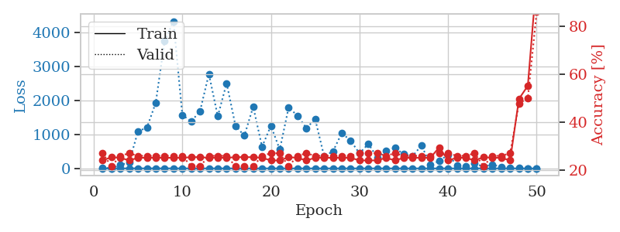
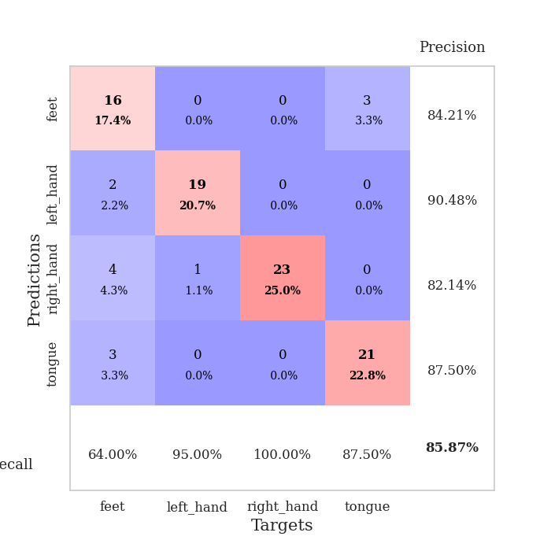
train_loss | valid_loss | train_accuracy | valid_accuracy | dur | train_misclass | valid_misclass
2.7614876991 | 15.715290153 | 0.24184782609 | 0.27173913043 | 0.10351037979 | 24.184782609 | 27.173913043
1.4265538221 | 3.1119959562 | 0.25543478261 | 0.21739130435 | 0.10696172714 | 25.543478261 | 21.739130435
1.2020948166 | 100.52504067 | 0.2527173913 | 0.26086956522 | 0.09920668602 | 25.27173913 | 26.086956522
1.5212960036 | 176.49611034 | 0.24184782609 | 0.27173913043 | 0.11114096642 | 24.184782609 | 27.173913043
1.0918292092 | 1093.3952902 | 0.2527173913 | 0.26086956522 | 0.10465621948 | 25.27173913 | 26.086956522
1.1475976783 | 1192.6614566 | 0.2527173913 | 0.26086956522 | 0.099007129669 | 25.27173913 | 26.086956522
1.0531375693 | 1929.0128492 | 0.2527173913 | 0.26086956522 | 0.10809278488 | 25.27173913 | 26.086956522
0.92517963441 | 3738.475501 | 0.2527173913 | 0.26086956522 | 0.10331821442 | 25.27173913 | 26.086956522
0.80217197278 | 4319.4867315 | 0.2527173913 | 0.26086956522 | 0.098998785019 | 25.27173913 | 26.086956522
0.66036232917 | 1569.6713655 | 0.2527173913 | 0.26086956522 | 0.10042119026 | 25.27173913 | 26.086956522
0.58306744824 | 1377.7841585 | 0.25543478261 | 0.21739130435 | 0.10587954521 | 25.543478261 | 21.739130435
0.56867523815 | 1681.6734513 | 0.25543478261 | 0.21739130435 | 0.10367035866 | 25.543478261 | 21.739130435
0.57916530513 | 2773.0300611 | 0.2527173913 | 0.26086956522 | 0.10992383957 | 25.27173913 | 26.086956522
0.44116293412 | 1528.3523851 | 0.2527173913 | 0.26086956522 | 0.10532259941 | 25.27173913 | 26.086956522
0.49442668097 | 2501.4044136 | 0.2527173913 | 0.26086956522 | 0.10008478165 | 25.27173913 | 26.086956522
0.48848004995 | 1252.8917661 | 0.25543478261 | 0.21739130435 | 0.1050555706 | 25.543478261 | 21.739130435
0.35855334924 | 959.48397429 | 0.25543478261 | 0.21739130435 | 0.10643029213 | 25.543478261 | 21.739130435
0.3522728241 | 1810.9195504 | 0.25543478261 | 0.21739130435 | 0.10277080536 | 25.543478261 | 21.739130435
0.2395851029 | 634.88511591 | 0.2527173913 | 0.26086956522 | 0.10596203804 | 25.27173913 | 26.086956522
0.29785594142 | 1252.7785804 | 0.24184782609 | 0.27173913043 | 0.10802912712 | 24.184782609 | 27.173913043
0.20616959141 | 551.2121237 | 0.24184782609 | 0.27173913043 | 0.10604643822 | 24.184782609 | 27.173913043
0.17632462311 | 1790.4858823 | 0.25543478261 | 0.21739130435 | 0.10775303841 | 25.543478261 | 21.739130435
0.20418520839 | 1547.3950779 | 0.2527173913 | 0.26086956522 | 0.10969471931 | 25.27173913 | 26.086956522
0.19469260151 | 1185.094286 | 0.24184782609 | 0.27173913043 | 0.11261248589 | 24.184782609 | 27.173913043
0.13675848192 | 1443.1685685 | 0.2527173913 | 0.26086956522 | 0.099143028259 | 25.27173913 | 26.086956522
0.12851266476 | 361.98969833 | 0.2527173913 | 0.26086956522 | 0.10697627068 | 25.27173913 | 26.086956522
0.10017113975 | 497.6556622 | 0.2527173913 | 0.26086956522 | 0.1024286747 | 25.27173913 | 26.086956522
0.1210136494 | 1038.9526314 | 0.2527173913 | 0.26086956522 | 0.11149978638 | 25.27173913 | 26.086956522
0.10304054025 | 812.88348389 | 0.2527173913 | 0.26086956522 | 0.10471558571 | 25.27173913 | 26.086956522
0.10191259181 | 441.63611901 | 0.24184782609 | 0.27173913043 | 0.10886502266 | 24.184782609 | 27.173913043
0.10529962532 | 719.925492 | 0.24184782609 | 0.27173913043 | 0.10340666771 | 24.184782609 | 27.173913043
0.08566859737 | 321.80523947 | 0.24184782609 | 0.27173913043 | 0.10087203979 | 24.184782609 | 27.173913043
0.078265356234 | 510.23138958 | 0.2527173913 | 0.26086956522 | 0.11190295219 | 25.27173913 | 26.086956522
0.071005741701 | 601.85155719 | 0.24184782609 | 0.27173913043 | 0.10673618317 | 24.184782609 | 27.173913043
0.10828398776 | 414.92602672 | 0.2527173913 | 0.26086956522 | 0.099841117859 | 25.27173913 | 26.086956522
0.072863049643 | 363.87967184 | 0.2527173913 | 0.26086956522 | 0.1059551239 | 25.27173913 | 26.086956522
0.056561201889 | 673.38472582 | 0.2527173913 | 0.26086956522 | 0.10299110413 | 25.27173913 | 26.086956522
0.061585792037 | 106.70000657 | 0.2527173913 | 0.26086956522 | 0.10076117516 | 25.27173913 | 26.086956522
0.062765295314 | 218.52989462 | 0.29619565217 | 0.27173913043 | 0.1062874794 | 29.619565217 | 27.173913043
0.042957285136 | 399.91357422 | 0.24184782609 | 0.27173913043 | 0.10945510864 | 24.184782609 | 27.173913043
0.048999823002 | 89.291685353 | 0.2527173913 | 0.26086956522 | 0.10665464401 | 25.27173913 | 26.086956522
0.040582275241 | 54.091464001 | 0.2527173913 | 0.26086956522 | 0.10694169998 | 25.27173913 | 26.086956522
0.034309126771 | 150.15360824 | 0.24184782609 | 0.27173913043 | 0.1038069725 | 24.184782609 | 27.173913043
0.043869132485 | 46.603312451 | 0.25543478261 | 0.21739130435 | 0.10107398033 | 25.543478261 | 21.739130435
0.066404187353 | 112.72336645 | 0.2527173913 | 0.26086956522 | 0.10312318802 | 25.27173913 | 26.086956522
0.03577721121 | 36.939821824 | 0.2527173913 | 0.26086956522 | 0.10250663757 | 25.27173913 | 26.086956522
0.039824007727 | 26.212929684 | 0.24184782609 | 0.27173913043 | 0.1110227108 | 24.184782609 | 27.173913043
0.027620131008 | 5.4380989904 | 0.4972826087 | 0.47826086957 | 0.10639071465 | 49.72826087 | 47.826086957
0.019390452299 | 2.9400353224 | 0.55163043478 | 0.5 | 0.10275101662 | 55.163043478 | 50
0.026626261063 | 0.49531037198 | 1 | 0.85869565217 | 0.10789465904 | 100 | 85.869565217

Best Val accuracy is 0.8586956521739131 and Best test accuracy is 0.853448275862069

Sheet2
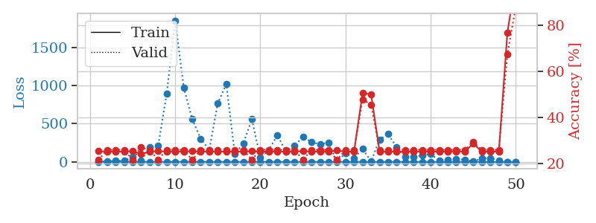
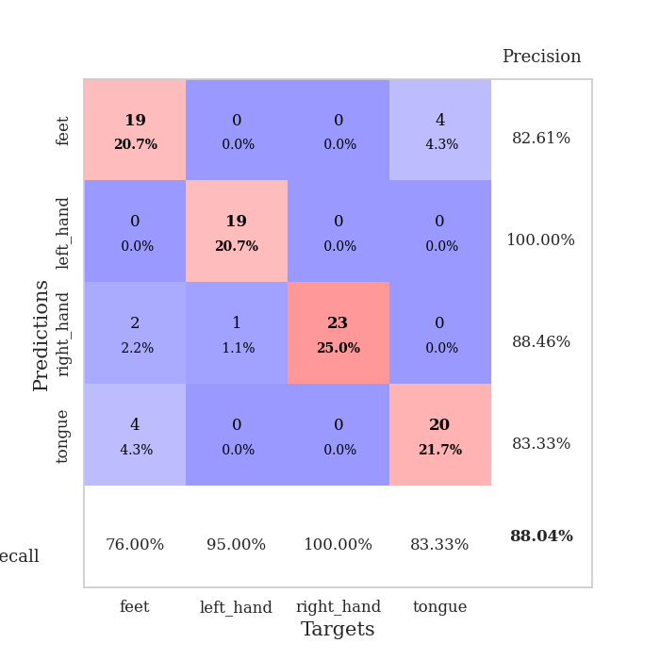
train_loss | valid_loss | train_accuracy | valid_accuracy | dur | train_misclass | valid_misclass
2.6613747011 | 2.0265933534 | 0.25543478261 | 0.21739130435 | 0.097111225128 | 25.543478261 | 21.739130435
1.6403836271 | 4.5016155658 | 0.2527173913 | 0.26086956522 | 0.10131812096 | 25.27173913 | 26.086956522
1.6369832495 | 14.507821995 | 0.2527173913 | 0.26086956522 | 0.098470211029 | 25.27173913 | 26.086956522
1.0256927817 | 15.579035966 | 0.2527173913 | 0.26086956522 | 0.10743165016 | 25.27173913 | 26.086956522
1.0859738148 | 65.763504028 | 0.25543478261 | 0.21739130435 | 0.10888266563 | 25.543478261 | 21.739130435
1.094197548 | 15.456054605 | 0.24184782609 | 0.27173913043 | 0.11758637428 | 24.184782609 | 27.173913043
1.1281080142 | 190.35188293 | 0.2527173913 | 0.26086956522 | 0.11463117599 | 25.27173913 | 26.086956522
1.0076987964 | 209.08168096 | 0.25543478261 | 0.21739130435 | 0.10728645325 | 25.543478261 | 21.739130435
0.91921556773 | 890.52245298 | 0.2527173913 | 0.26086956522 | 0.10657429695 | 25.27173913 | 26.086956522
0.76054061237 | 1854.3846382 | 0.2527173913 | 0.26086956522 | 0.10450148582 | 25.27173913 | 26.086956522
0.79378254258 | 974.98363992 | 0.2527173913 | 0.26086956522 | 0.10381174088 | 25.27173913 | 26.086956522
0.63776166154 | 558.53557553 | 0.25543478261 | 0.21739130435 | 0.10510969162 | 25.543478261 | 21.739130435
0.63590651232 | 300.38768801 | 0.2527173913 | 0.26086956522 | 0.11502981186 | 25.27173913 | 26.086956522
0.44078012556 | 156.7370015 | 0.2527173913 | 0.26086956522 | 0.10498714447 | 25.27173913 | 26.086956522
0.49686646461 | 769.11247452 | 0.2527173913 | 0.26086956522 | 0.10939669609 | 25.27173913 | 26.086956522
0.40839013069 | 1018.6846765 | 0.2527173913 | 0.26086956522 | 0.10886597633 | 25.27173913 | 26.086956522
0.46239742021 | 105.35234965 | 0.2527173913 | 0.26086956522 | 0.10965156555 | 25.27173913 | 26.086956522
0.35918449011 | 239.16277015 | 0.2527173913 | 0.26086956522 | 0.10478329659 | 25.27173913 | 26.086956522
0.36946220242 | 558.87908537 | 0.25543478261 | 0.21739130435 | 0.1111907959 | 25.543478261 | 21.739130435
0.40335692692 | 52.730207194 | 0.2527173913 | 0.26086956522 | 0.10967230797 | 25.27173913 | 26.086956522
0.275505925 | 158.29521113 | 0.2527173913 | 0.26086956522 | 0.10510778427 | 25.27173913 | 26.086956522
0.29037802764 | 351.33005026 | 0.2527173913 | 0.26086956522 | 0.1075463295 | 25.27173913 | 26.086956522
0.20488764815 | 132.50354435 | 0.2527173913 | 0.26086956522 | 0.10500526428 | 25.27173913 | 26.086956522
0.18632607316 | 216.11439315 | 0.2527173913 | 0.26086956522 | 0.10816717148 | 25.27173913 | 26.086956522
0.26251747896 | 325.32892774 | 0.25543478261 | 0.21739130435 | 0.11045789719 | 25.543478261 | 21.739130435
0.19271888863 | 259.55725827 | 0.2527173913 | 0.26086956522 | 0.10692310333 | 25.27173913 | 26.086956522
0.14708217683 | 229.13854118 | 0.2527173913 | 0.26086956522 | 0.1085562706 | 25.27173913 | 26.086956522
0.18540682364 | 252.2685653 | 0.2527173913 | 0.26086956522 | 0.1155424118 | 25.27173913 | 26.086956522
0.12233807134 | 3.5382735211 | 0.25815217391 | 0.21739130435 | 0.10978937149 | 25.815217391 | 21.739130435
0.17106024925 | 115.86350416 | 0.2527173913 | 0.26086956522 | 0.10999155045 | 25.27173913 | 26.086956522
0.10134181726 | 48.427799225 | 0.2527173913 | 0.26086956522 | 0.10856986046 | 25.27173913 | 26.086956522
0.09658578435 | 172.1976179 | 0.50543478261 | 0.47826086957 | 0.1029176712 | 50.543478261 | 47.826086957
0.097834447399 | 5.2069415632 | 0.5 | 0.45652173913 | 0.10548424721 | 50 | 45.652173913
0.11571289328 | 294.55199134 | 0.2527173913 | 0.26086956522 | 0.10941123962 | 25.27173913 | 26.086956522
0.10726283296 | 366.25169837 | 0.2527173913 | 0.26086956522 | 0.11053061485 | 25.27173913 | 26.086956522
0.07939275832 | 189.71604256 | 0.2527173913 | 0.26086956522 | 0.10422062874 | 25.27173913 | 26.086956522
0.028773976065 | 63.026337167 | 0.2527173913 | 0.26086956522 | 0.11098980904 | 25.27173913 | 26.086956522
0.037320807131 | 69.208857661 | 0.2527173913 | 0.26086956522 | 0.11224508286 | 25.27173913 | 26.086956522
0.04726028496 | 85.405858911 | 0.2527173913 | 0.26086956522 | 0.11167120934 | 25.27173913 | 26.086956522
0.039473845522 | 104.2268491 | 0.2527173913 | 0.26086956522 | 0.10548329353 | 25.27173913 | 26.086956522
0.061241654082 | 13.439703568 | 0.2527173913 | 0.26086956522 | 0.10543990135 | 25.27173913 | 26.086956522
0.053655095186 | 22.263883093 | 0.2527173913 | 0.26086956522 | 0.11236548424 | 25.27173913 | 26.086956522
0.035415098304 | 31.628343997 | 0.2527173913 | 0.26086956522 | 0.11473751068 | 25.27173913 | 26.086956522
0.043316339563 | 30.805832904 | 0.2527173913 | 0.26086956522 | 0.1024518013 | 25.27173913 | 26.086956522
0.03317661216 | 4.5151941154 | 0.28804347826 | 0.29347826087 | 0.10518670082 | 28.804347826 | 29.347826087
0.058932068904 | 44.54075523 | 0.2527173913 | 0.26086956522 | 0.10754728317 | 25.27173913 | 26.086956522
0.043717768448 | 48.512273208 | 0.2527173913 | 0.26086956522 | 0.10877227783 | 25.27173913 | 26.086956522
0.037368829615 | 17.698106849 | 0.2527173913 | 0.26086956522 | 0.1114616394 | 25.27173913 | 26.086956522
0.030751954005 | 1.3970687493 | 0.76630434783 | 0.67391304348 | 0.10499668121 | 76.630434783 | 67.391304348
0.077050187342 | 0.37237963226 | 1 | 0.88043478261 | 0.11173462868 | 100 | 88.043478261

Best Val accuracy is 0.8804347826086957 and Best test accuracy is 0.8620689655172413

Sheet3
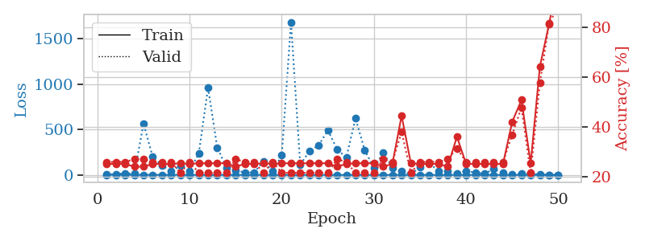
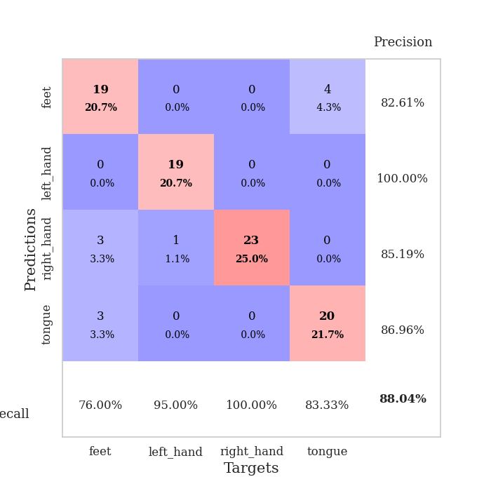
train_loss | valid_loss | train_accuracy | valid_accuracy | dur | train_misclass | valid_misclass
3.2723507933 | 2.1014301414 | 0.2527173913 | 0.26086956522 | 0.10459589958 | 25.27173913 | 26.086956522
1.5019190493 | 10.362112336 | 0.2527173913 | 0.26086956522 | 0.10294818878 | 25.27173913 | 26.086956522
1.2582766336 | 16.628645482 | 0.2527173913 | 0.26086956522 | 0.10191178322 | 25.27173913 | 26.086956522
1.1430541484 | 13.557081513 | 0.24184782609 | 0.27173913043 | 0.10505032539 | 24.184782609 | 27.173913043
1.0750706559 | 563.97145412 | 0.24184782609 | 0.27173913043 | 0.10360574722 | 24.184782609 | 27.173913043
1.092682854 | 198.20571302 | 0.2527173913 | 0.26086956522 | 0.10079312325 | 25.27173913 | 26.086956522
0.8240335804 | 104.66365383 | 0.2527173913 | 0.26086956522 | 0.10987758636 | 25.27173913 | 26.086956522
0.69425625646 | 37.746833967 | 0.2527173913 | 0.26086956522 | 0.10717892647 | 25.27173913 | 26.086956522
0.65290026367 | 102.36160909 | 0.25543478261 | 0.21739130435 | 0.10427594185 | 25.543478261 | 21.739130435
0.67624335509 | 44.893748905 | 0.2527173913 | 0.26086956522 | 0.10539031029 | 25.27173913 | 26.086956522
0.48636236787 | 237.69342505 | 0.25543478261 | 0.21739130435 | 0.11021566391 | 25.543478261 | 21.739130435
0.59200235424 | 961.42224121 | 0.25543478261 | 0.21739130435 | 0.10106539726 | 25.543478261 | 21.739130435
0.72573953737 | 302.59289285 | 0.25543478261 | 0.21739130435 | 0.10818791389 | 25.543478261 | 21.739130435
0.48477925295 | 76.859621463 | 0.25543478261 | 0.21739130435 | 0.10671210289 | 25.543478261 | 21.739130435
0.42278880788 | 47.415658204 | 0.24184782609 | 0.27173913043 | 0.10780525208 | 24.184782609 | 27.173913043
0.30190457306 | 27.586362673 | 0.2527173913 | 0.26086956522 | 0.10722184181 | 25.27173913 | 26.086956522
0.29949840968 | 25.724267462 | 0.2527173913 | 0.26086956522 | 0.10623884201 | 25.27173913 | 26.086956522
0.33546941954 | 151.68205261 | 0.25543478261 | 0.21739130435 | 0.10968446732 | 25.543478261 | 21.739130435
0.23032689532 | 40.798956 | 0.2527173913 | 0.26086956522 | 0.10548567772 | 25.27173913 | 26.086956522
0.25447595379 | 215.74430051 | 0.25543478261 | 0.21739130435 | 0.10328793526 | 25.543478261 | 21.739130435
0.22482108924 | 1683.8034296 | 0.25543478261 | 0.21739130435 | 0.10430049896 | 25.543478261 | 21.739130435
0.1387870873 | 111.92463883 | 0.25543478261 | 0.21739130435 | 0.10789060593 | 25.543478261 | 21.739130435
0.13980010257 | 260.35177214 | 0.25543478261 | 0.21739130435 | 0.11149024963 | 25.543478261 | 21.739130435
0.17416022329 | 326.21381809 | 0.25543478261 | 0.21739130435 | 0.11354589462 | 25.543478261 | 21.739130435
0.1698110579 | 491.43636156 | 0.25543478261 | 0.21739130435 | 0.10714530945 | 25.543478261 | 21.739130435
0.1568571912 | 283.17992235 | 0.24184782609 | 0.27173913043 | 0.10989379883 | 24.184782609 | 27.173913043
0.13019733931 | 190.68370985 | 0.2527173913 | 0.26086956522 | 0.10229325294 | 25.27173913 | 26.086956522
0.10935530761 | 624.35047448 | 0.25543478261 | 0.21739130435 | 0.11054682732 | 25.543478261 | 21.739130435
0.15525104016 | 269.98639049 | 0.25543478261 | 0.21739130435 | 0.10979342461 | 25.543478261 | 21.739130435
0.082951911644 | 78.243736267 | 0.25543478261 | 0.21739130435 | 0.10506081581 | 25.543478261 | 21.739130435
0.12216598802 | 244.03541233 | 0.24184782609 | 0.27173913043 | 0.10664963722 | 24.184782609 | 27.173913043
0.084607844818 | 80.087817648 | 0.2527173913 | 0.26086956522 | 0.10849285126 | 25.27173913 | 26.086956522
0.067272601022 | 39.14997814 | 0.44565217391 | 0.38043478261 | 0.10431933403 | 44.565217391 | 38.043478261
0.10638563911 | 8.699954489 | 0.25543478261 | 0.21739130435 | 0.10863018036 | 25.543478261 | 21.739130435
0.081925331281 | 84.294684037 | 0.2527173913 | 0.26086956522 | 0.10634422302 | 25.27173913 | 26.086956522
0.060697945564 | 129.84078449 | 0.2527173913 | 0.26086956522 | 0.10624599457 | 25.27173913 | 26.086956522
0.045688642293 | 43.232863716 | 0.2527173913 | 0.26086956522 | 0.10228848457 | 25.27173913 | 26.086956522
0.058943646115 | 42.743583845 | 0.24184782609 | 0.27173913043 | 0.10813164711 | 24.184782609 | 27.173913043
0.063504134447 | 18.805527521 | 0.36141304348 | 0.3152173913 | 0.11216878891 | 36.141304348 | 31.52173913
0.061788125895 | 46.114363463 | 0.2527173913 | 0.26086956522 | 0.10108947754 | 25.27173913 | 26.086956522
0.030285784398 | 24.45957217 | 0.2527173913 | 0.26086956522 | 0.10338306427 | 25.27173913 | 26.086956522
0.030447461088 | 13.306408965 | 0.2527173913 | 0.26086956522 | 0.11045908928 | 25.27173913 | 26.086956522
0.047967890358 | 64.334173783 | 0.2527173913 | 0.26086956522 | 0.11369228363 | 25.27173913 | 26.086956522
0.019928400526 | 20.901524917 | 0.2527173913 | 0.26086956522 | 0.10466432571 | 25.27173913 | 26.086956522
0.029976626119 | 5.1222757257 | 0.42119565217 | 0.36956521739 | 0.10479784012 | 42.119565217 | 36.956521739
0.035536347162 | 14.944319808 | 0.50815217391 | 0.47826086957 | 0.10600829124 | 50.815217391 | 47.826086957
0.047071841211 | 14.798733089 | 0.25543478261 | 0.21739130435 | 0.11633086205 | 25.543478261 | 21.739130435
0.049766332529 | 3.9054987223 | 0.64130434783 | 0.57608695652 | 0.10852479935 | 64.130434783 | 57.608695652
0.028431986641 | 0.71766286829 | 0.8125 | 0.8152173913 | 0.10693478584 | 81.25 | 81.52173913
0.042662322 | 0.44454113945 | 1 | 0.88043478261 | 0.10770392418 | 100 | 88.043478261

Best Val accuracy is 0.8804347826086957 and Best test accuracy is 0.853448275862069

Sheet4
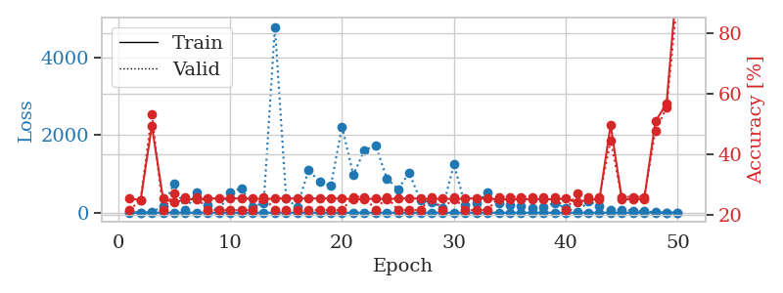
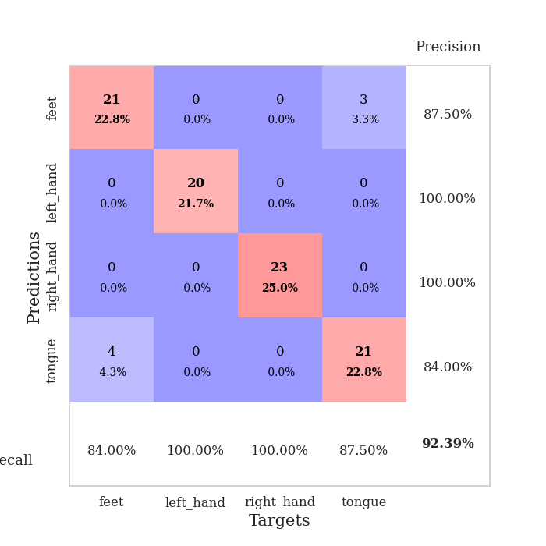
train_loss | valid_loss | train_accuracy | valid_accuracy | dur | train_misclass | valid_misclass
2.4015447368 | 9.6794326202 | 0.25543478261 | 0.21739130435 | 0.11165881157 | 25.543478261 | 21.739130435
1.3644392594 | 5.8909141706 | 0.25 | 0.25 | 0.11382341385 | 25 | 25
1.1634736191 | 8.2563285413 | 0.49456521739 | 0.53260869565 | 0.10124468803 | 49.456521739 | 53.260869565
1.0089450712 | 173.06821873 | 0.25543478261 | 0.21739130435 | 0.11246347427 | 25.543478261 | 21.739130435
1.1444386555 | 759.7128694 | 0.24184782609 | 0.27173913043 | 0.11020374298 | 24.184782609 | 27.173913043
0.91846540182 | 67.905036595 | 0.2527173913 | 0.26086956522 | 0.10569047928 | 25.27173913 | 26.086956522
0.86707338691 | 522.40108855 | 0.2527173913 | 0.26086956522 | 0.1060116291 | 25.27173913 | 26.086956522
0.79623368642 | 200.77069822 | 0.25543478261 | 0.21739130435 | 0.11086368561 | 25.543478261 | 21.739130435
0.72314327437 | 69.707924884 | 0.25543478261 | 0.21739130435 | 0.10443425179 | 25.543478261 | 21.739130435
0.68607594008 | 519.67167066 | 0.25543478261 | 0.21739130435 | 0.10764193535 | 25.543478261 | 21.739130435
0.48259926101 | 634.48630424 | 0.25543478261 | 0.21739130435 | 0.10432434082 | 25.543478261 | 21.739130435
0.54617291948 | 146.74104508 | 0.25543478261 | 0.21739130435 | 0.10539007187 | 25.543478261 | 21.739130435
0.43902534182 | 255.60140195 | 0.2527173913 | 0.26086956522 | 0.11112213135 | 25.27173913 | 26.086956522
0.49435445018 | 4801.2660708 | 0.25543478261 | 0.21739130435 | 0.10637021065 | 25.543478261 | 21.739130435
0.46382229241 | 369.25915527 | 0.25543478261 | 0.21739130435 | 0.10753536224 | 25.543478261 | 21.739130435
0.3091181366 | 136.20240784 | 0.25543478261 | 0.21739130435 | 0.10806727409 | 25.543478261 | 21.739130435
0.32628083002 | 1104.6519775 | 0.25543478261 | 0.21739130435 | 0.11081337929 | 25.543478261 | 21.739130435
0.30378559766 | 794.74355416 | 0.25543478261 | 0.21739130435 | 0.10982394218 | 25.543478261 | 21.739130435
0.30355823072 | 702.91807224 | 0.25543478261 | 0.21739130435 | 0.10526847839 | 25.543478261 | 21.739130435
0.20569600667 | 2226.4056662 | 0.25543478261 | 0.21739130435 | 0.11051988602 | 25.543478261 | 21.739130435
0.19866929057 | 972.57778002 | 0.2527173913 | 0.26086956522 | 0.108679533 | 25.27173913 | 26.086956522
0.17493177391 | 1613.6514999 | 0.2527173913 | 0.26086956522 | 0.11580681801 | 25.27173913 | 26.086956522
0.1620786728 | 1736.8059772 | 0.25543478261 | 0.21739130435 | 0.11192965508 | 25.543478261 | 21.739130435
0.16115643278 | 883.87728484 | 0.2527173913 | 0.26086956522 | 0.10748338699 | 25.27173913 | 26.086956522
0.1754721966 | 607.19559645 | 0.25543478261 | 0.21739130435 | 0.11249613762 | 25.543478261 | 21.739130435
0.20488450579 | 1028.6866137 | 0.25543478261 | 0.21739130435 | 0.10782909393 | 25.543478261 | 21.739130435
0.16283952461 | 323.91467816 | 0.25543478261 | 0.21739130435 | 0.10528516769 | 25.543478261 | 21.739130435
0.10750166626 | 264.72565692 | 0.2527173913 | 0.26086956522 | 0.10618591309 | 25.27173913 | 26.086956522
0.10358051385 | 131.14930393 | 0.25543478261 | 0.21739130435 | 0.10549592972 | 25.543478261 | 21.739130435
0.11896134998 | 1246.8542587 | 0.2527173913 | 0.26086956522 | 0.11756944656 | 25.27173913 | 26.086956522
0.073872961043 | 199.03914012 | 0.25543478261 | 0.21739130435 | 0.11892437935 | 25.543478261 | 21.739130435
0.1186550049 | 243.03469583 | 0.25543478261 | 0.21739130435 | 0.11236763 | 25.543478261 | 21.739130435
0.11382102452 | 521.45891803 | 0.25543478261 | 0.21739130435 | 0.11126828194 | 25.543478261 | 21.739130435
0.092534690701 | 234.93759155 | 0.2527173913 | 0.26086956522 | 0.10539197922 | 25.27173913 | 26.086956522
0.032548141635 | 205.7819937 | 0.2527173913 | 0.26086956522 | 0.10627245903 | 25.27173913 | 26.086956522
0.098341423542 | 173.00964621 | 0.2527173913 | 0.26086956522 | 0.11112093925 | 25.27173913 | 26.086956522
0.064791884623 | 123.06311135 | 0.2527173913 | 0.26086956522 | 0.10863447189 | 25.27173913 | 26.086956522
0.052663401073 | 140.94512475 | 0.2527173913 | 0.26086956522 | 0.10622358322 | 25.27173913 | 26.086956522
0.03873251665 | 252.71229951 | 0.2527173913 | 0.26086956522 | 0.10713100433 | 25.27173913 | 26.086956522
0.044396756242 | 113.54871004 | 0.25543478261 | 0.21739130435 | 0.10271167755 | 25.543478261 | 21.739130435
0.032431360304 | 8.4910026633 | 0.24184782609 | 0.27173913043 | 0.10839867592 | 24.184782609 | 27.173913043
0.05845560751 | 287.30359417 | 0.2527173913 | 0.26086956522 | 0.10539221764 | 25.27173913 | 26.086956522
0.045943840356 | 178.62073882 | 0.2527173913 | 0.26086956522 | 0.10726356506 | 25.27173913 | 26.086956522
0.034256943967 | 58.76489971 | 0.4972826087 | 0.44565217391 | 0.10742545128 | 49.72826087 | 44.565217391
0.048535059343 | 75.711996659 | 0.2527173913 | 0.26086956522 | 0.10874915123 | 25.27173913 | 26.086956522
0.039215599919 | 54.916731627 | 0.2527173913 | 0.26086956522 | 0.10905385017 | 25.27173913 | 26.086956522
0.034305454687 | 34.485850293 | 0.2527173913 | 0.26086956522 | 0.11152625084 | 25.27173913 | 26.086956522
0.027967928747 | 10.061553623 | 0.50815217391 | 0.47826086957 | 0.10917663574 | 50.815217391 | 47.826086957
0.051520387456 | 2.1278030354 | 0.56793478261 | 0.55434782609 | 0.10586977005 | 56.793478261 | 55.434782609
0.030600704982 | 0.29776162622 | 1 | 0.92391304348 | 0.11279273033 | 100 | 92.391304348

Best Val accuracy is 0.9239130434782609 and Best test accuracy is 0.8706896551724138

Sheet5
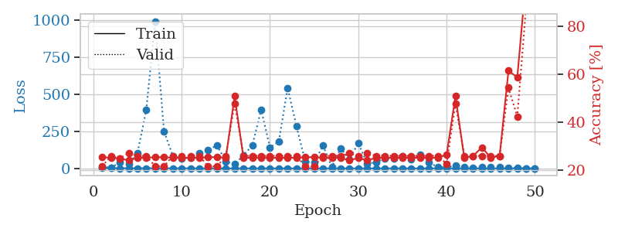
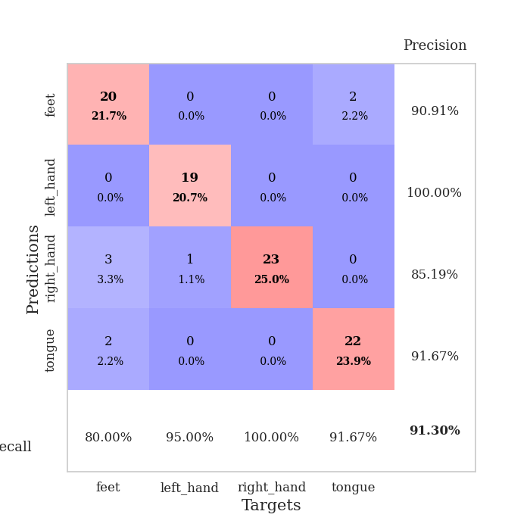
train_loss | valid_loss | train_accuracy | valid_accuracy | dur | train_misclass | valid_misclass
2.4588111276 | 9.6609754148 | 0.25543478261 | 0.21739130435 | 0.10762834549 | 25.543478261 | 21.739130435
1.4249134997 | 5.3087799134 | 0.2527173913 | 0.26086956522 | 0.10740399361 | 25.27173913 | 26.086956522
1.2537042084 | 39.973913607 | 0.25 | 0.25 | 0.10633063316 | 25 | 25
1.0541729124 | 31.6147106 | 0.24184782609 | 0.27173913043 | 0.10521912575 | 24.184782609 | 27.173913043
1.1977300709 | 104.17580414 | 0.2527173913 | 0.26086956522 | 0.10756516457 | 25.27173913 | 26.086956522
1.1549254954 | 395.77380902 | 0.2527173913 | 0.26086956522 | 0.10538744926 | 25.27173913 | 26.086956522
0.80029393538 | 990.36322287 | 0.25543478261 | 0.21739130435 | 0.10866475105 | 25.543478261 | 21.739130435
0.76038635295 | 250.84682431 | 0.25543478261 | 0.21739130435 | 0.10712170601 | 25.543478261 | 21.739130435
0.86461225994 | 83.312648276 | 0.2527173913 | 0.26086956522 | 0.11372375488 | 25.27173913 | 26.086956522
0.62038472295 | 66.448405058 | 0.2527173913 | 0.26086956522 | 0.10253882408 | 25.27173913 | 26.086956522
0.47839556505 | 71.9777225 | 0.2527173913 | 0.26086956522 | 0.10994505882 | 25.27173913 | 26.086956522
0.43297629318 | 102.36639106 | 0.2527173913 | 0.26086956522 | 0.10687565804 | 25.27173913 | 26.086956522
0.4291936441 | 124.56660926 | 0.25543478261 | 0.21739130435 | 0.11517572403 | 25.543478261 | 21.739130435
0.39032254595 | 154.98529783 | 0.25543478261 | 0.21739130435 | 0.11000156403 | 25.543478261 | 21.739130435
0.37604461222 | 47.306458183 | 0.2527173913 | 0.26086956522 | 0.10455513 | 25.27173913 | 26.086956522
0.37331997668 | 28.018735637 | 0.50815217391 | 0.47826086957 | 0.1140563488 | 50.815217391 | 47.826086957
0.27482668634 | 89.330339515 | 0.2527173913 | 0.26086956522 | 0.10202908516 | 25.27173913 | 26.086956522
0.28536108946 | 153.35587676 | 0.2527173913 | 0.26086956522 | 0.10940527916 | 25.27173913 | 26.086956522
0.33511990131 | 396.44948279 | 0.2527173913 | 0.26086956522 | 0.10685491562 | 25.27173913 | 26.086956522
0.24008470693 | 139.7361344 | 0.2527173913 | 0.26086956522 | 0.11036896706 | 25.27173913 | 26.086956522
0.24088988324 | 181.36243936 | 0.2527173913 | 0.26086956522 | 0.10385012627 | 25.27173913 | 26.086956522
0.18697039119 | 541.80607406 | 0.2527173913 | 0.26086956522 | 0.10737538338 | 25.27173913 | 26.086956522
0.16565416462 | 283.32394608 | 0.2527173913 | 0.26086956522 | 0.10934066772 | 25.27173913 | 26.086956522
0.17343692417 | 45.980953548 | 0.25543478261 | 0.21739130435 | 0.11658334732 | 25.543478261 | 21.739130435
0.15054829986 | 38.299747467 | 0.25543478261 | 0.21739130435 | 0.11026740074 | 25.543478261 | 21.739130435
0.079583381951 | 153.64688177 | 0.2527173913 | 0.26086956522 | 0.11257314682 | 25.27173913 | 26.086956522
0.12802987416 | 10.714267399 | 0.2527173913 | 0.26086956522 | 0.10947680473 | 25.27173913 | 26.086956522
0.095588862268 | 134.48780955 | 0.2527173913 | 0.26086956522 | 0.10913252831 | 25.27173913 | 26.086956522
0.098604144974 | 61.8020537 | 0.24184782609 | 0.27173913043 | 0.1112704277 | 24.184782609 | 27.173913043
0.12260653917 | 170.34090855 | 0.2527173913 | 0.26086956522 | 0.10551047325 | 25.27173913 | 26.086956522
0.095811271615 | 30.765470588 | 0.24184782609 | 0.27173913043 | 0.11141848564 | 24.184782609 | 27.173913043
0.059982687078 | 42.318543807 | 0.2527173913 | 0.26086956522 | 0.10685658455 | 25.27173913 | 26.086956522
0.069254344365 | 64.759732951 | 0.2527173913 | 0.26086956522 | 0.1074347496 | 25.27173913 | 26.086956522
0.059512176267 | 66.621642237 | 0.2527173913 | 0.26086956522 | 0.10750341415 | 25.27173913 | 26.086956522
0.064678974713 | 83.812462185 | 0.2527173913 | 0.26086956522 | 0.10544252396 | 25.27173913 | 26.086956522
0.056633652957 | 62.803778607 | 0.2527173913 | 0.26086956522 | 0.11414599419 | 25.27173913 | 26.086956522
0.046517804113 | 91.834914166 | 0.2527173913 | 0.26086956522 | 0.11034345627 | 25.27173913 | 26.086956522
0.052552080015 | 37.823840763 | 0.2527173913 | 0.26086956522 | 0.10605716705 | 25.27173913 | 26.086956522
0.059774634034 | 10.146182807 | 0.2527173913 | 0.26086956522 | 0.10868620872 | 25.27173913 | 26.086956522
0.046514489598 | 8.6505399372 | 0.26630434783 | 0.22826086957 | 0.10152983665 | 26.630434783 | 22.826086957
0.041451908299 | 18.139441117 | 0.50815217391 | 0.47826086957 | 0.11471939087 | 50.815217391 | 47.826086957
0.031806348443 | 8.7407025047 | 0.2527173913 | 0.26086956522 | 0.10568237305 | 25.27173913 | 26.086956522
0.065781010133 | 6.1561213991 | 0.26086956522 | 0.26086956522 | 0.11170601845 | 26.086956522 | 26.086956522
0.039021149642 | 7.9118965812 | 0.29619565217 | 0.26086956522 | 0.10551524162 | 29.619565217 | 26.086956522
0.025158600426 | 10.918238059 | 0.2527173913 | 0.26086956522 | 0.1123239994 | 25.27173913 | 26.086956522
0.030688389878 | 10.762518883 | 0.26086956522 | 0.26086956522 | 0.10947489738 | 26.086956522 | 26.086956522
0.069462049722 | 3.4177082622 | 0.61413043478 | 0.54347826087 | 0.11067700386 | 61.413043478 | 54.347826087
0.047710372115 | 2.8968175857 | 0.58695652174 | 0.42391304348 | 0.10863566399 | 58.695652174 | 42.391304348
0.052900027355 | 0.44883185852 | 0.9972826087 | 0.88043478261 | 0.10554480553 | 99.72826087 | 88.043478261
0.023130405175 | 0.24055072309 | 1 | 0.91304347826 | 0.10478425026 | 100 | 91.304347826

Best Val accuracy is 0.9130434782608695 and Best test accuracy is 0.853448275862069

Sheet6
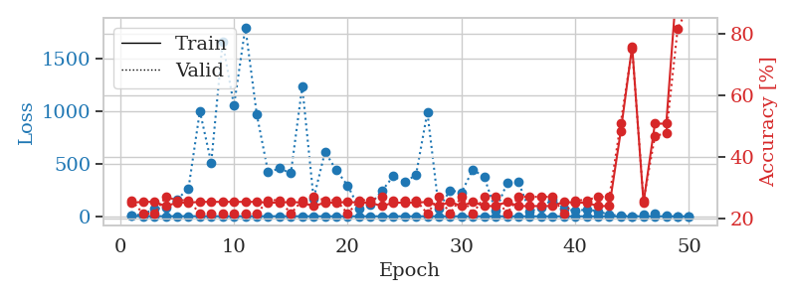

train_loss | valid_loss | train_accuracy | valid_accuracy | dur | train_misclass | valid_misclass
2.9323737621 | 6.9933030709 | 0.2527173913 | 0.26086956522 | 0.10304093361 | 25.27173913 | 26.086956522
1.5499027838 | 20.162506021 | 0.25543478261 | 0.21739130435 | 0.10345363617 | 25.543478261 | 21.739130435
1.1747515409 | 69.086955527 | 0.25543478261 | 0.21739130435 | 0.11109638214 | 25.543478261 | 21.739130435
1.0975855822 | 86.181520213 | 0.24184782609 | 0.27173913043 | 0.11138319969 | 24.184782609 | 27.173913043
1.0558655314 | 161.21380881 | 0.2527173913 | 0.26086956522 | 0.1062605381 | 25.27173913 | 26.086956522
1.0900595421 | 263.95160045 | 0.2527173913 | 0.26086956522 | 0.11114239693 | 25.27173913 | 26.086956522
0.83208526217 | 1001.0537481 | 0.25543478261 | 0.21739130435 | 0.10577630997 | 25.543478261 | 21.739130435
0.84624923442 | 508.84713347 | 0.25543478261 | 0.21739130435 | 0.11281251907 | 25.543478261 | 21.739130435
0.77356917022 | 1658.4837806 | 0.25543478261 | 0.21739130435 | 0.10862588882 | 25.543478261 | 21.739130435
0.56659854236 | 1053.8042258 | 0.25543478261 | 0.21739130435 | 0.1023709774 | 25.543478261 | 21.739130435
0.69397052734 | 1799.3113377 | 0.25543478261 | 0.21739130435 | 0.11039066315 | 25.543478261 | 21.739130435
0.85242639029 | 971.78177013 | 0.25543478261 | 0.21739130435 | 0.10851335526 | 25.543478261 | 21.739130435
0.57706469168 | 419.63604073 | 0.2527173913 | 0.26086956522 | 0.1188352108 | 25.27173913 | 26.086956522
0.60532921941 | 456.33785878 | 0.2527173913 | 0.26086956522 | 0.10815548897 | 25.27173913 | 26.086956522
0.60614625462 | 410.1565565 | 0.25543478261 | 0.21739130435 | 0.10588908195 | 25.543478261 | 21.739130435
0.53194894804 | 1237.5453836 | 0.2527173913 | 0.26086956522 | 0.10882306099 | 25.27173913 | 26.086956522
0.44787078642 | 167.98764768 | 0.24184782609 | 0.27173913043 | 0.10637688637 | 24.184782609 | 27.173913043
0.21576156119 | 613.65892228 | 0.2527173913 | 0.26086956522 | 0.10489273071 | 25.27173913 | 26.086956522
0.2536409439 | 438.72571862 | 0.2527173913 | 0.26086956522 | 0.10560417175 | 25.27173913 | 26.086956522
0.33257985795 | 291.4015901 | 0.25543478261 | 0.21739130435 | 0.10473203659 | 25.543478261 | 21.739130435
0.31237003499 | 77.202671217 | 0.2527173913 | 0.26086956522 | 0.10588479042 | 25.27173913 | 26.086956522
0.28056487911 | 115.14591283 | 0.2527173913 | 0.26086956522 | 0.10596108437 | 25.27173913 | 26.086956522
0.24859057071 | 241.23815852 | 0.24184782609 | 0.27173913043 | 0.11084628105 | 24.184782609 | 27.173913043
0.26917689877 | 381.04295681 | 0.2527173913 | 0.26086956522 | 0.10851931572 | 25.27173913 | 26.086956522
0.19024571384 | 327.42170649 | 0.2527173913 | 0.26086956522 | 0.11214995384 | 25.27173913 | 26.086956522
0.19949744901 | 392.93634299 | 0.2527173913 | 0.26086956522 | 0.10256457329 | 25.27173913 | 26.086956522
0.15264180355 | 992.21841563 | 0.25543478261 | 0.21739130435 | 0.11322903633 | 25.543478261 | 21.739130435
0.089581414126 | 76.202847025 | 0.24184782609 | 0.27173913043 | 0.1105132103 | 24.184782609 | 27.173913043
0.10786153328 | 247.70938641 | 0.25543478261 | 0.21739130435 | 0.11056494713 | 25.543478261 | 21.739130435
0.084819980269 | 226.88932203 | 0.24184782609 | 0.27173913043 | 0.10294699669 | 24.184782609 | 27.173913043
0.13935025657 | 445.14763476 | 0.25543478261 | 0.21739130435 | 0.10297775269 | 25.543478261 | 21.739130435
0.076506936113 | 373.54749199 | 0.24184782609 | 0.27173913043 | 0.10476088524 | 24.184782609 | 27.173913043
0.072106047129 | 51.075812132 | 0.24184782609 | 0.27173913043 | 0.10548663139 | 24.184782609 | 27.173913043
0.058238228495 | 315.82468713 | 0.25543478261 | 0.21739130435 | 0.10899734497 | 25.543478261 | 21.739130435
0.088878200936 | 327.16607268 | 0.24184782609 | 0.27173913043 | 0.1105132103 | 24.184782609 | 27.173913043
0.058905889553 | 47.292660423 | 0.24184782609 | 0.27173913043 | 0.10900878906 | 24.184782609 | 27.173913043
0.089188455796 | 83.111813421 | 0.24184782609 | 0.27173913043 | 0.10575199127 | 24.184782609 | 27.173913043
0.066853949327 | 160.68629721 | 0.24184782609 | 0.27173913043 | 0.105697155 | 24.184782609 | 27.173913043
0.079997468598 | 75.133399963 | 0.25543478261 | 0.21739130435 | 0.10571742058 | 25.543478261 | 21.739130435
0.049121310175 | 50.348699653 | 0.2527173913 | 0.26086956522 | 0.11126899719 | 25.27173913 | 26.086956522
0.042186317743 | 65.309620069 | 0.2527173913 | 0.26086956522 | 0.10656905174 | 25.27173913 | 26.086956522
0.03219500347 | 49.131096052 | 0.24184782609 | 0.27173913043 | 0.11483693123 | 24.184782609 | 27.173913043
0.065578788073 | 12.615361421 | 0.24184782609 | 0.27173913043 | 0.11068367958 | 24.184782609 | 27.173913043
0.033815527902 | 11.283340827 | 0.48369565217 | 0.51086956522 | 0.11148357391 | 48.369565217 | 51.086956522
0.028382188762 | 1.1390809883 | 0.75815217391 | 0.75 | 0.10614085197 | 75.815217391 | 75
0.047764760361 | 18.984038933 | 0.2527173913 | 0.26086956522 | 0.1183848381 | 25.27173913 | 26.086956522
0.066885814298 | 29.229075888 | 0.50815217391 | 0.46739130435 | 0.10958766937 | 50.815217391 | 46.739130435
0.044570200231 | 9.8510823457 | 0.50815217391 | 0.47826086957 | 0.10633802414 | 50.815217391 | 47.826086957
0.063100043608 | 0.50951606035 | 0.9972826087 | 0.8152173913 | 0.11739778519 | 99.72826087 | 81.52173913
0.026234268666 | 0.33388519287 | 1 | 0.89130434783 | 0.11251854897 | 100 | 89.130434783

Best Val accuracy is 0.8913043478260869 and Best test accuracy is 0.8793103448275862

Sheet7
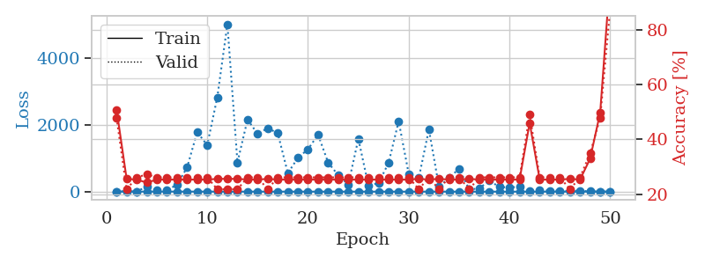
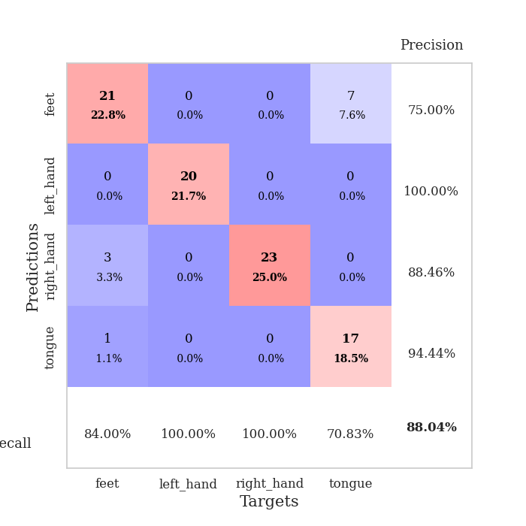
train_loss | valid_loss | train_accuracy | valid_accuracy | dur | train_misclass | valid_misclass
3.9539272008 | 1.5040277398 | 0.50815217391 | 0.47826086957 | 0.10925149918 | 50.815217391 | 47.826086957
1.7787251369 | 10.381070883 | 0.25543478261 | 0.21739130435 | 0.10880804062 | 25.543478261 | 21.739130435
1.0901953837 | 2.2418467791 | 0.2527173913 | 0.26086956522 | 0.1064145565 | 25.27173913 | 26.086956522
1.0595282809 | 152.63782733 | 0.24184782609 | 0.27173913043 | 0.10520744324 | 24.184782609 | 27.173913043
1.2038827694 | 38.358873948 | 0.2527173913 | 0.26086956522 | 0.10241866112 | 25.27173913 | 26.086956522
1.1320136682 | 39.691488183 | 0.2527173913 | 0.26086956522 | 0.11075258255 | 25.27173913 | 26.086956522
1.0070110611 | 209.34872503 | 0.2527173913 | 0.26086956522 | 0.10630702972 | 25.27173913 | 26.086956522
0.95989195419 | 723.08241073 | 0.2527173913 | 0.26086956522 | 0.10392999649 | 25.27173913 | 26.086956522
0.7377060574 | 1786.8232263 | 0.2527173913 | 0.26086956522 | 0.10574555397 | 25.27173913 | 26.086956522
0.91450241143 | 1399.6010052 | 0.2527173913 | 0.26086956522 | 0.1133992672 | 25.27173913 | 26.086956522
0.70935179747 | 2835.7271888 | 0.25543478261 | 0.21739130435 | 0.1120095253 | 25.543478261 | 21.739130435
0.62082129782 | 5030.5108908 | 0.25543478261 | 0.21739130435 | 0.10284972191 | 25.543478261 | 21.739130435
0.47269304421 | 876.81065302 | 0.25543478261 | 0.21739130435 | 0.11122012138 | 25.543478261 | 21.739130435
0.46059693882 | 2167.5709388 | 0.2527173913 | 0.26086956522 | 0.10551118851 | 25.27173913 | 26.086956522
0.51077386186 | 1733.8166875 | 0.2527173913 | 0.26086956522 | 0.11395668983 | 25.27173913 | 26.086956522
0.45416123388 | 1909.2943062 | 0.25543478261 | 0.21739130435 | 0.10601639748 | 25.543478261 | 21.739130435
0.38946903789 | 1754.1186258 | 0.2527173913 | 0.26086956522 | 0.1100461483 | 25.27173913 | 26.086956522
0.23886226749 | 553.63239056 | 0.2527173913 | 0.26086956522 | 0.11530208588 | 25.27173913 | 26.086956522
0.27065718336 | 1016.657277 | 0.2527173913 | 0.26086956522 | 0.11611461639 | 25.27173913 | 26.086956522
0.25318421213 | 1271.821029 | 0.2527173913 | 0.26086956522 | 0.10775732994 | 25.27173913 | 26.086956522
0.33016243982 | 1711.6354237 | 0.2527173913 | 0.26086956522 | 0.10519361496 | 25.27173913 | 26.086956522
0.25309991837 | 872.52126146 | 0.2527173913 | 0.26086956522 | 0.1052365303 | 25.27173913 | 26.086956522
0.21509943983 | 492.94192638 | 0.2527173913 | 0.26086956522 | 0.1037042141 | 25.27173913 | 26.086956522
0.13081090494 | 210.81401792 | 0.2527173913 | 0.26086956522 | 0.10624027252 | 25.27173913 | 26.086956522
0.11545876397 | 1587.3464037 | 0.2527173913 | 0.26086956522 | 0.10362839699 | 25.27173913 | 26.086956522
0.18612837516 | 177.79358441 | 0.2527173913 | 0.26086956522 | 0.10770106316 | 25.27173913 | 26.086956522
0.14079529363 | 256.17222861 | 0.2527173913 | 0.26086956522 | 0.10791420937 | 25.27173913 | 26.086956522
0.14052307043 | 862.47426174 | 0.2527173913 | 0.26086956522 | 0.10846590996 | 25.27173913 | 26.086956522
0.12706489464 | 2116.7693561 | 0.2527173913 | 0.26086956522 | 0.10219097137 | 25.27173913 | 26.086956522
0.11565141107 | 528.99855639 | 0.2527173913 | 0.26086956522 | 0.10226941109 | 25.27173913 | 26.086956522
0.077779116514 | 414.61324941 | 0.25543478261 | 0.21739130435 | 0.10730719566 | 25.543478261 | 21.739130435
0.10797995584 | 1868.4122102 | 0.2527173913 | 0.26086956522 | 0.10913705826 | 25.27173913 | 26.086956522
0.11151503296 | 150.78413524 | 0.25543478261 | 0.21739130435 | 0.10133981705 | 25.543478261 | 21.739130435
0.10997473906 | 408.81149159 | 0.2527173913 | 0.26086956522 | 0.1034348011 | 25.27173913 | 26.086956522
0.076806495533 | 691.60965364 | 0.2527173913 | 0.26086956522 | 0.10053801537 | 25.27173913 | 26.086956522
0.096127442003 | 61.193050053 | 0.25543478261 | 0.21739130435 | 0.10107636452 | 25.543478261 | 21.739130435
0.1031293434 | 99.979656385 | 0.2527173913 | 0.26086956522 | 0.10279273987 | 25.27173913 | 26.086956522
0.052218298893 | 326.70530104 | 0.2527173913 | 0.26086956522 | 0.1054623127 | 25.27173913 | 26.086956522
0.082321954142 | 140.19248034 | 0.2527173913 | 0.26086956522 | 0.10745882988 | 25.27173913 | 26.086956522
0.052829601286 | 123.18921197 | 0.2527173913 | 0.26086956522 | 0.1072602272 | 25.27173913 | 26.086956522
0.037672909862 | 149.41682766 | 0.2527173913 | 0.26086956522 | 0.10482430458 | 25.27173913 | 26.086956522
0.044965927651 | 17.817486722 | 0.45923913043 | 0.48913043478 | 0.10067391396 | 45.923913043 | 48.913043478
0.054312970256 | 55.842445705 | 0.2527173913 | 0.26086956522 | 0.10567355156 | 25.27173913 | 26.086956522
0.049149177543 | 27.770374879 | 0.2527173913 | 0.26086956522 | 0.10903859138 | 25.27173913 | 26.086956522
0.061497337079 | 29.892699283 | 0.2527173913 | 0.26086956522 | 0.10560870171 | 25.27173913 | 26.086956522
0.050111822015 | 14.091291801 | 0.25543478261 | 0.21739130435 | 0.1082110405 | 25.543478261 | 21.739130435
0.036852971706 | 27.934641631 | 0.2527173913 | 0.26086956522 | 0.1115694046 | 25.27173913 | 26.086956522
0.048260967571 | 6.7087686166 | 0.32880434783 | 0.34782608696 | 0.11130547523 | 32.880434783 | 34.782608696
0.044526149843 | 3.499953809 | 0.4972826087 | 0.47826086957 | 0.10892629623 | 49.72826087 | 47.826086957
0.032512437886 | 0.43422224729 | 0.9972826087 | 0.88043478261 | 0.10681390762 | 99.72826087 | 88.043478261

Best Val accuracy is 0.8804347826086957 and Best test accuracy is 0.8793103448275862

Sheet8
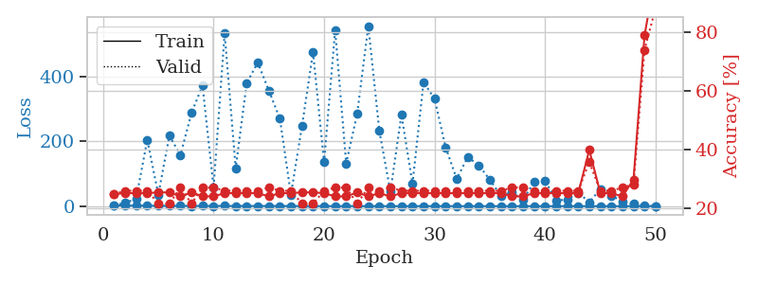
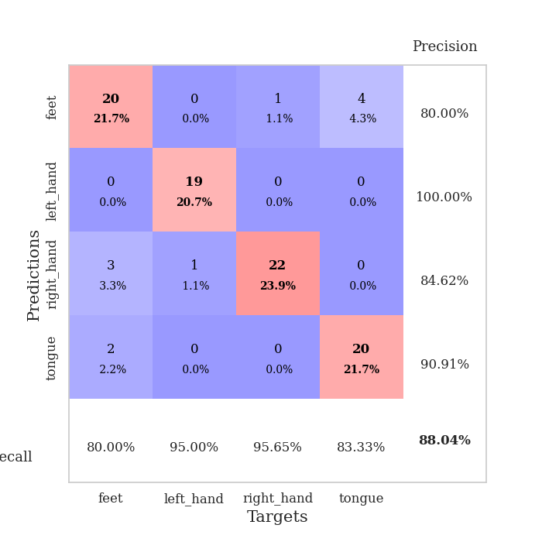
train_loss | valid_loss | train_accuracy | valid_accuracy | dur | train_misclass | valid_misclass
2.6962943906 | 3.3394938656 | 0.25 | 0.25 | 0.098362922668 | 25 | 25
1.5313596466 | 9.5022669668 | 0.2527173913 | 0.26086956522 | 0.10434317589 | 25.27173913 | 26.086956522
1.5112345141 | 24.030326429 | 0.2527173913 | 0.26086956522 | 0.10269260406 | 25.27173913 | 26.086956522
1.4074130343 | 205.11599532 | 0.2527173913 | 0.26086956522 | 0.10606598854 | 25.27173913 | 26.086956522
0.96353507042 | 35.592766472 | 0.25543478261 | 0.21739130435 | 0.10164809227 | 25.543478261 | 21.739130435
0.86386377138 | 217.37803252 | 0.25543478261 | 0.21739130435 | 0.11254906654 | 25.543478261 | 21.739130435
0.81874084214 | 157.60368214 | 0.24184782609 | 0.27173913043 | 0.10219192505 | 24.184782609 | 27.173913043
0.67511321151 | 287.31576803 | 0.25543478261 | 0.21739130435 | 0.10904407501 | 25.543478261 | 21.739130435
0.74986682249 | 372.30654642 | 0.24184782609 | 0.27173913043 | 0.10118770599 | 24.184782609 | 27.173913043
0.54447750877 | 57.633167267 | 0.24184782609 | 0.27173913043 | 0.10702109337 | 24.184782609 | 27.173913043
0.78674621103 | 533.59851207 | 0.2527173913 | 0.26086956522 | 0.10581350327 | 25.27173913 | 26.086956522
0.510456012 | 117.56728595 | 0.2527173913 | 0.26086956522 | 0.10239100456 | 25.27173913 | 26.086956522
0.59408734998 | 380.34066374 | 0.2527173913 | 0.26086956522 | 0.10738825798 | 25.27173913 | 26.086956522
0.50073040827 | 443.22826485 | 0.2527173913 | 0.26086956522 | 0.098704099655 | 25.27173913 | 26.086956522
0.44718505539 | 356.90478781 | 0.24184782609 | 0.27173913043 | 0.10252809525 | 24.184782609 | 27.173913043
0.35531978471 | 270.16268191 | 0.2527173913 | 0.26086956522 | 0.10552453995 | 25.27173913 | 26.086956522
0.45141044794 | 35.164518273 | 0.2527173913 | 0.26086956522 | 0.099585294724 | 25.27173913 | 26.086956522
0.34697249443 | 247.56071937 | 0.25543478261 | 0.21739130435 | 0.10748147964 | 25.543478261 | 21.739130435
0.21698569863 | 475.47506979 | 0.25543478261 | 0.21739130435 | 0.10229468346 | 25.543478261 | 21.739130435
0.27721680288 | 135.97573587 | 0.2527173913 | 0.26086956522 | 0.09937620163 | 25.27173913 | 26.086956522
0.16256374072 | 543.27278204 | 0.24184782609 | 0.27173913043 | 0.10404706001 | 24.184782609 | 27.173913043
0.22569408414 | 131.33239282 | 0.24184782609 | 0.27173913043 | 0.10271501541 | 24.184782609 | 27.173913043
0.15933195263 | 286.22194904 | 0.25543478261 | 0.21739130435 | 0.10819220543 | 25.543478261 | 21.739130435
0.19341446378 | 556.08971372 | 0.24184782609 | 0.27173913043 | 0.1100525856 | 24.184782609 | 27.173913043
0.16300973869 | 232.68298672 | 0.2527173913 | 0.26086956522 | 0.10342741013 | 25.27173913 | 26.086956522
0.12329862485 | 44.811728436 | 0.24184782609 | 0.27173913043 | 0.10903573036 | 24.184782609 | 27.173913043
0.11765684187 | 282.40209961 | 0.2527173913 | 0.26086956522 | 0.10049581528 | 25.27173913 | 26.086956522
0.15029220882 | 68.790118342 | 0.2527173913 | 0.26086956522 | 0.10197496414 | 25.27173913 | 26.086956522
0.095941137644 | 382.84662131 | 0.2527173913 | 0.26086956522 | 0.10452246666 | 25.27173913 | 26.086956522
0.068277314427 | 331.41266267 | 0.2527173913 | 0.26086956522 | 0.10111618042 | 25.27173913 | 26.086956522
0.11232350876 | 181.28588005 | 0.2527173913 | 0.26086956522 | 0.11196112633 | 25.27173913 | 26.086956522
0.09902264931 | 84.285209656 | 0.2527173913 | 0.26086956522 | 0.10813307762 | 25.27173913 | 26.086956522
0.10181275414 | 151.31297833 | 0.2527173913 | 0.26086956522 | 0.1043343544 | 25.27173913 | 26.086956522
0.039745931088 | 126.37637296 | 0.2527173913 | 0.26086956522 | 0.10513091087 | 25.27173913 | 26.086956522
0.099055033339 | 81.447403949 | 0.2527173913 | 0.26086956522 | 0.10737228394 | 25.27173913 | 26.086956522
0.059601127661 | 31.967340138 | 0.2527173913 | 0.26086956522 | 0.10587644577 | 25.27173913 | 26.086956522
0.037062954198 | 42.162199601 | 0.24184782609 | 0.27173913043 | 0.10734534264 | 24.184782609 | 27.173913043
0.059575622572 | 19.628336616 | 0.24184782609 | 0.27173913043 | 0.10387587547 | 24.184782609 | 27.173913043
0.047689410559 | 73.979443426 | 0.2527173913 | 0.26086956522 | 0.10219192505 | 25.27173913 | 26.086956522
0.029949429561 | 79.30105823 | 0.2527173913 | 0.26086956522 | 0.1061425209 | 25.27173913 | 26.086956522
0.055952271355 | 17.761930507 | 0.2527173913 | 0.26086956522 | 0.10933303833 | 25.27173913 | 26.086956522
0.04972282789 | 19.987765478 | 0.2527173913 | 0.26086956522 | 0.11192631721 | 25.27173913 | 26.086956522
0.092056957043 | 41.593544504 | 0.2527173913 | 0.26086956522 | 0.11069369316 | 25.27173913 | 26.086956522
0.028763919051 | 12.248455835 | 0.39945652174 | 0.35869565217 | 0.10139131546 | 39.945652174 | 35.869565217
0.047965502407 | 52.441245701 | 0.2527173913 | 0.26086956522 | 0.10824966431 | 25.27173913 | 26.086956522
0.05843356607 | 32.317151609 | 0.2527173913 | 0.26086956522 | 0.10272860527 | 25.27173913 | 26.086956522
0.037199493771 | 15.053254501 | 0.24184782609 | 0.27173913043 | 0.10218477249 | 24.184782609 | 27.173913043
0.034909163652 | 6.6217461669 | 0.29891304348 | 0.28260869565 | 0.11172103882 | 29.891304348 | 28.260869565
0.032377468058 | 0.83804382967 | 0.78804347826 | 0.73913043478 | 0.10288238525 | 78.804347826 | 73.913043478
0.034829302367 | 0.36144571282 | 1 | 0.88043478261 | 0.10809206963 | 100 | 88.043478261

Best Val accuracy is 0.8804347826086957 and Best test accuracy is 0.9051724137931034

Sheet9
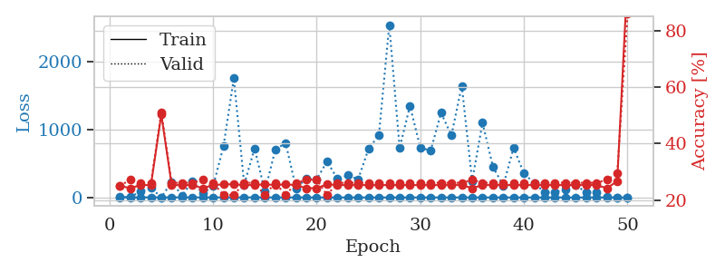
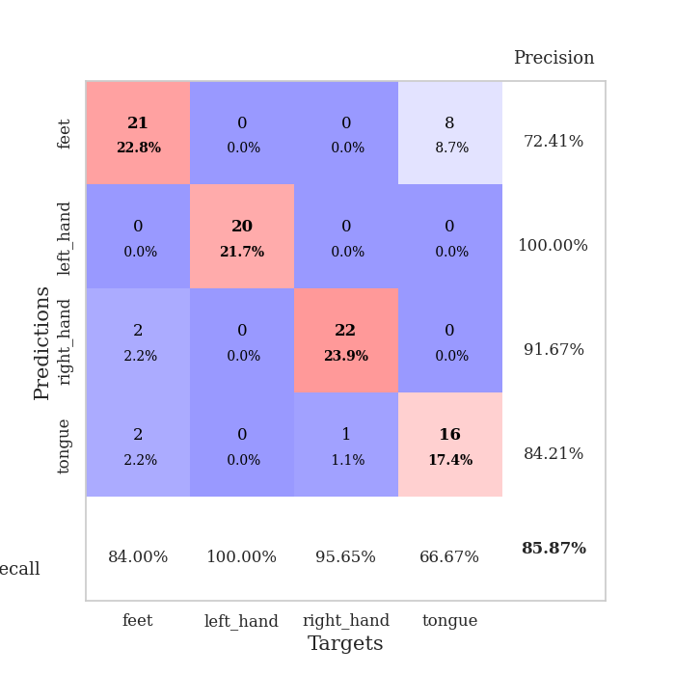
train_loss | valid_loss | train_accuracy | valid_accuracy | dur | train_misclass | valid_misclass
3.1267706415 | 3.5335870618 | 0.25 | 0.25 | 0.10263824463 | 25 | 25
1.4267355385 | 7.7144078379 | 0.24184782609 | 0.27173913043 | 0.10928654671 | 24.184782609 | 27.173913043
1.2235580527 | 84.894109643 | 0.2527173913 | 0.26086956522 | 0.1053071022 | 25.27173913 | 26.086956522
1.3271166864 | 141.95593295 | 0.2527173913 | 0.26086956522 | 0.10866689682 | 25.27173913 | 26.086956522
1.0737856601 | 2.0937756922 | 0.5027173913 | 0.51086956522 | 0.10402989388 | 50.27173913 | 51.086956522
1.2379014777 | 226.67265851 | 0.2527173913 | 0.26086956522 | 0.10040855408 | 25.27173913 | 26.086956522
1.1208138207 | 27.839254379 | 0.2527173913 | 0.26086956522 | 0.11024022102 | 25.27173913 | 26.086956522
1.0293492882 | 233.43573462 | 0.2527173913 | 0.26086956522 | 0.10408592224 | 25.27173913 | 26.086956522
0.92688274513 | 62.732674972 | 0.24184782609 | 0.27173913043 | 0.10256505013 | 24.184782609 | 27.173913043
0.83669563739 | 163.12960351 | 0.2527173913 | 0.26086956522 | 0.10591268539 | 25.27173913 | 26.086956522
0.76065513492 | 750.72741965 | 0.25543478261 | 0.21739130435 | 0.1051158905 | 25.543478261 | 21.739130435
0.65854635576 | 1751.2112931 | 0.25543478261 | 0.21739130435 | 0.10323500633 | 25.543478261 | 21.739130435
0.51347756127 | 188.86340796 | 0.2527173913 | 0.26086956522 | 0.10394120216 | 25.27173913 | 26.086956522
0.45984769094 | 720.34532099 | 0.2527173913 | 0.26086956522 | 0.10213422775 | 25.27173913 | 26.086956522
0.40093945161 | 90.10688052 | 0.25543478261 | 0.21739130435 | 0.10782241821 | 25.543478261 | 21.739130435
0.40269172548 | 700.12584653 | 0.2527173913 | 0.26086956522 | 0.10707998276 | 25.27173913 | 26.086956522
0.4736622397 | 800.86804995 | 0.25543478261 | 0.21739130435 | 0.10917520523 | 25.543478261 | 21.739130435
0.4523009985 | 135.7735881 | 0.2527173913 | 0.26086956522 | 0.10006761551 | 25.27173913 | 26.086956522
0.41169162516 | 274.76036802 | 0.24184782609 | 0.27173913043 | 0.10940790176 | 24.184782609 | 27.173913043
0.35646862634 | 269.43115234 | 0.24184782609 | 0.27173913043 | 0.11602568626 | 24.184782609 | 27.173913043
0.28850344099 | 528.55781622 | 0.25543478261 | 0.21739130435 | 0.10868930817 | 25.543478261 | 21.739130435
0.26292248459 | 271.6167722 | 0.2527173913 | 0.26086956522 | 0.107213974 | 25.27173913 | 26.086956522
0.25428942146 | 324.08098436 | 0.2527173913 | 0.26086956522 | 0.10890889168 | 25.27173913 | 26.086956522
0.22711006196 | 267.03145035 | 0.2527173913 | 0.26086956522 | 0.10387730598 | 25.27173913 | 26.086956522
0.19444618552 | 713.38398013 | 0.2527173913 | 0.26086956522 | 0.10945630074 | 25.27173913 | 26.086956522
0.21123586672 | 914.3483356 | 0.2527173913 | 0.26086956522 | 0.10486793518 | 25.27173913 | 26.086956522
0.25766403422 | 2534.1747941 | 0.2527173913 | 0.26086956522 | 0.10853171349 | 25.27173913 | 26.086956522
0.27881191954 | 723.95769202 | 0.2527173913 | 0.26086956522 | 0.10617351532 | 25.27173913 | 26.086956522
0.16296547797 | 1346.5127802 | 0.2527173913 | 0.26086956522 | 0.10727334023 | 25.27173913 | 26.086956522
0.13067377213 | 727.41022259 | 0.2527173913 | 0.26086956522 | 0.10815143585 | 25.27173913 | 26.086956522
0.14031297094 | 689.18169105 | 0.2527173913 | 0.26086956522 | 0.105915308 | 25.27173913 | 26.086956522
0.097039584232 | 1242.5841967 | 0.2527173913 | 0.26086956522 | 0.10897564888 | 25.27173913 | 26.086956522
0.11903998248 | 911.59061067 | 0.2527173913 | 0.26086956522 | 0.10883617401 | 25.27173913 | 26.086956522
0.10548773189 | 1641.1432734 | 0.2527173913 | 0.26086956522 | 0.11164212227 | 25.27173913 | 26.086956522
0.10685874995 | 242.50127311 | 0.24184782609 | 0.27173913043 | 0.10854554176 | 24.184782609 | 27.173913043
0.085925995696 | 1097.416902 | 0.2527173913 | 0.26086956522 | 0.1063709259 | 25.27173913 | 26.086956522
0.070740658709 | 454.04249506 | 0.2527173913 | 0.26086956522 | 0.10606384277 | 25.27173913 | 26.086956522
0.081631174088 | 171.65988756 | 0.2527173913 | 0.26086956522 | 0.10961341858 | 25.27173913 | 26.086956522
0.074854850627 | 729.53442383 | 0.2527173913 | 0.26086956522 | 0.11103773117 | 25.27173913 | 26.086956522
0.054955861936 | 350.82148278 | 0.2527173913 | 0.26086956522 | 0.10900211334 | 25.27173913 | 26.086956522
0.054901582736 | 209.52353768 | 0.2527173913 | 0.26086956522 | 0.11533355713 | 25.27173913 | 26.086956522
0.055695272668 | 74.019819177 | 0.2527173913 | 0.26086956522 | 0.10926604271 | 25.27173913 | 26.086956522
0.05056514674 | 78.014300471 | 0.2527173913 | 0.26086956522 | 0.11090493202 | 25.27173913 | 26.086956522
0.056929335808 | 117.62988945 | 0.2527173913 | 0.26086956522 | 0.10540485382 | 25.27173913 | 26.086956522
0.056600639475 | 181.22462729 | 0.2527173913 | 0.26086956522 | 0.10926675797 | 25.27173913 | 26.086956522
0.039852212689 | 73.606918998 | 0.2527173913 | 0.26086956522 | 0.10512089729 | 25.27173913 | 26.086956522
0.061936117364 | 72.376325524 | 0.2527173913 | 0.26086956522 | 0.10642814636 | 25.27173913 | 26.086956522
0.056669341026 | 8.0571538676 | 0.24184782609 | 0.27173913043 | 0.11024951935 | 24.184782609 | 27.173913043
0.063111821149 | 3.1268780646 | 0.26630434783 | 0.29347826087 | 0.11407089233 | 26.630434783 | 29.347826087
0.065758754924 | 0.43486354273 | 0.99456521739 | 0.85869565217 | 0.10167193413 | 99.456521739 | 85.869565217

Best Val accuracy is 0.8586956521739131 and Best test accuracy is 0.896551724137931

Sheet10
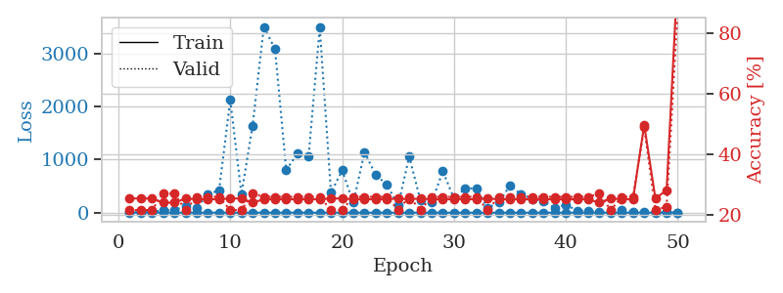
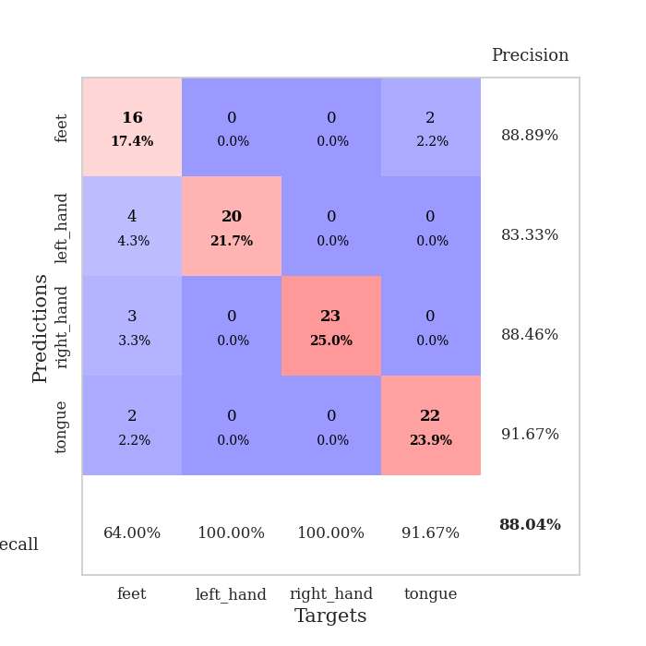
train_loss | valid_loss | train_accuracy | valid_accuracy | dur | train_misclass | valid_misclass
3.292602876 | 5.0450290804 | 0.25543478261 | 0.21739130435 | 0.10752034187 | 25.543478261 | 21.739130435
1.3445984643 | 4.612980967 | 0.25543478261 | 0.21739130435 | 0.1074514389 | 25.543478261 | 21.739130435
1.2369444655 | 16.638990236 | 0.25543478261 | 0.21739130435 | 0.10503196716 | 25.543478261 | 21.739130435
1.3424848888 | 42.763785818 | 0.24184782609 | 0.27173913043 | 0.1060552597 | 24.184782609 | 27.173913043
0.92538288884 | 45.219683937 | 0.24184782609 | 0.27173913043 | 0.11154437065 | 24.184782609 | 27.173913043
0.95584841526 | 122.64457437 | 0.25543478261 | 0.21739130435 | 0.11031031609 | 25.543478261 | 21.739130435
0.83557724046 | 88.210186502 | 0.2527173913 | 0.26086956522 | 0.11006975174 | 25.27173913 | 26.086956522
0.65228688717 | 343.65835439 | 0.2527173913 | 0.26086956522 | 0.11482024193 | 25.27173913 | 26.086956522
0.61264518746 | 423.12403405 | 0.2527173913 | 0.26086956522 | 0.11035704613 | 25.27173913 | 26.086956522
0.7535409137 | 2124.7157035 | 0.25543478261 | 0.21739130435 | 0.11277198792 | 25.543478261 | 21.739130435
0.72941441899 | 349.06571629 | 0.25543478261 | 0.21739130435 | 0.10292983055 | 25.543478261 | 21.739130435
0.4743486834 | 1641.8638544 | 0.24184782609 | 0.27173913043 | 0.10596871376 | 24.184782609 | 27.173913043
0.50316963766 | 3499.9301121 | 0.2527173913 | 0.26086956522 | 0.10696363449 | 25.27173913 | 26.086956522
0.50245278329 | 3081.7326023 | 0.2527173913 | 0.26086956522 | 0.10294485092 | 25.27173913 | 26.086956522
0.48639610037 | 804.50839897 | 0.2527173913 | 0.26086956522 | 0.1079325676 | 25.27173913 | 26.086956522
0.39873953731 | 1108.5345061 | 0.2527173913 | 0.26086956522 | 0.10615181923 | 25.27173913 | 26.086956522
0.38386160816 | 1060.2012064 | 0.2527173913 | 0.26086956522 | 0.10949015617 | 25.27173913 | 26.086956522
0.23934370571 | 3488.4487623 | 0.2527173913 | 0.26086956522 | 0.11176848412 | 25.27173913 | 26.086956522
0.41557503427 | 374.15828804 | 0.25543478261 | 0.21739130435 | 0.11310315132 | 25.543478261 | 21.739130435
0.31647454737 | 796.11308753 | 0.25543478261 | 0.21739130435 | 0.10898041725 | 25.543478261 | 21.739130435
0.26470308552 | 188.65372434 | 0.2527173913 | 0.26086956522 | 0.10274553299 | 25.27173913 | 26.086956522
0.22372897366 | 1140.0450227 | 0.2527173913 | 0.26086956522 | 0.10459184647 | 25.27173913 | 26.086956522
0.24667410172 | 711.64838443 | 0.2527173913 | 0.26086956522 | 0.10892009735 | 25.27173913 | 26.086956522
0.17827344022 | 528.0119138 | 0.2527173913 | 0.26086956522 | 0.10578250885 | 25.27173913 | 26.086956522
0.16607548531 | 135.60421488 | 0.25543478261 | 0.21739130435 | 0.10560464859 | 25.543478261 | 21.739130435
0.12833523392 | 1054.7747299 | 0.2527173913 | 0.26086956522 | 0.10575127602 | 25.27173913 | 26.086956522
0.085994932882 | 227.47167637 | 0.25543478261 | 0.21739130435 | 0.11468338966 | 25.543478261 | 21.739130435
0.096682857925 | 192.4134203 | 0.2527173913 | 0.26086956522 | 0.10899758339 | 25.27173913 | 26.086956522
0.14988012142 | 779.63546355 | 0.2527173913 | 0.26086956522 | 0.10966849327 | 25.27173913 | 26.086956522
0.11796856163 | 266.49296769 | 0.2527173913 | 0.26086956522 | 0.11185050011 | 25.27173913 | 26.086956522
0.14586341123 | 459.57258009 | 0.2527173913 | 0.26086956522 | 0.11106109619 | 25.27173913 | 26.086956522
0.071614915829 | 455.85252845 | 0.2527173913 | 0.26086956522 | 0.10860180855 | 25.27173913 | 26.086956522
0.05030127552 | 88.749352165 | 0.25543478261 | 0.21739130435 | 0.10617637634 | 25.543478261 | 21.739130435
0.041945822345 | 192.26233507 | 0.2527173913 | 0.26086956522 | 0.10896945 | 25.27173913 | 26.086956522
0.091448267598 | 510.18322356 | 0.2527173913 | 0.26086956522 | 0.11123633385 | 25.27173913 | 26.086956522
0.052701524909 | 346.73444798 | 0.2527173913 | 0.26086956522 | 0.1094815731 | 25.27173913 | 26.086956522
0.045197269209 | 257.636941 | 0.2527173913 | 0.26086956522 | 0.10803103447 | 25.27173913 | 26.086956522
0.054737339728 | 218.82889922 | 0.2527173913 | 0.26086956522 | 0.11196947098 | 25.27173913 | 26.086956522
0.043437597058 | 86.800957389 | 0.2527173913 | 0.26086956522 | 0.10893988609 | 25.27173913 | 26.086956522
0.049400705075 | 151.53933915 | 0.2527173913 | 0.26086956522 | 0.10898423195 | 25.27173913 | 26.086956522
0.049134004517 | 39.73611898 | 0.2527173913 | 0.26086956522 | 0.10605597496 | 25.27173913 | 26.086956522
0.047447332649 | 37.629905203 | 0.2527173913 | 0.26086956522 | 0.10898947716 | 25.27173913 | 26.086956522
0.038845504351 | 8.6836102942 | 0.24184782609 | 0.27173913043 | 0.10937547684 | 24.184782609 | 27.173913043
0.035428610549 | 13.826011533 | 0.25543478261 | 0.21739130435 | 0.10956740379 | 25.543478261 | 21.739130435
0.046333641705 | 56.147983883 | 0.2527173913 | 0.26086956522 | 0.11190152168 | 25.27173913 | 26.086956522
0.038852571591 | 18.716964888 | 0.2527173913 | 0.26086956522 | 0.10319161415 | 25.27173913 | 26.086956522
0.049757475408 | 7.7821264267 | 0.4972826087 | 0.48913043478 | 0.11405062675 | 49.72826087 | 48.913043478
0.037439434118 | 9.5199946943 | 0.25543478261 | 0.21739130435 | 0.11478161812 | 25.543478261 | 21.739130435
0.014970276077 | 6.6502328956 | 0.28260869565 | 0.22826086957 | 0.11190319061 | 28.260869565 | 22.826086957
0.029056602269 | 0.42307697172 | 1 | 0.88043478261 | 0.10791110992 | 100 | 88.043478261

Best Val accuracy is 0.8804347826086957 and Best test accuracy is 0.8620689655172413

