Sheet
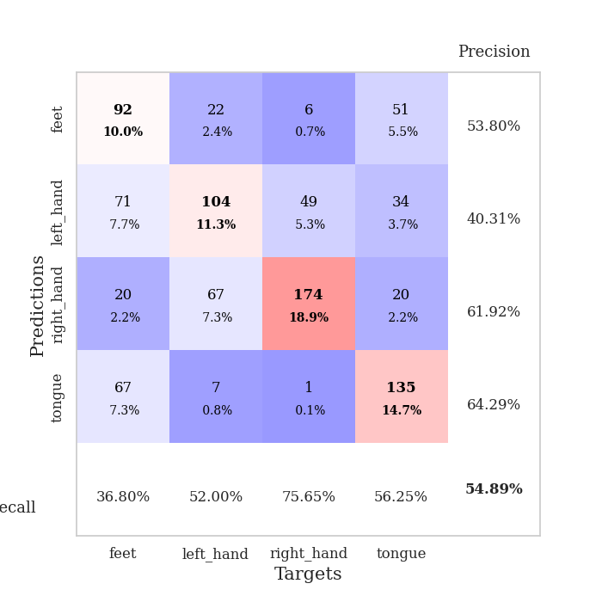
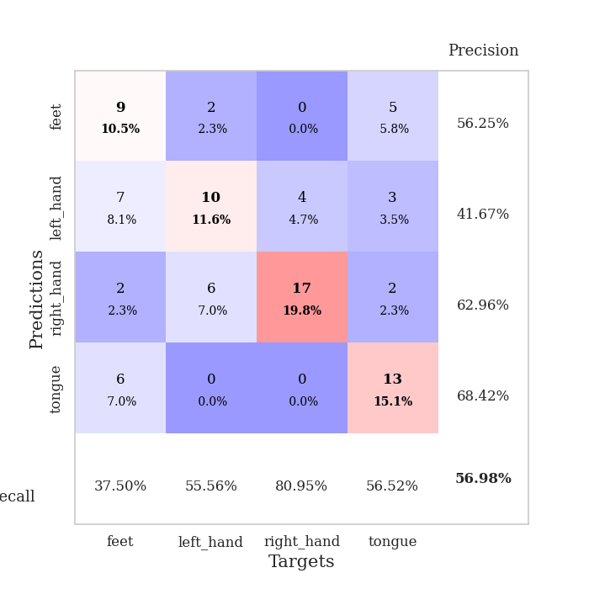
best_val_acc | best_val_los | best_test_acc
0.52173913043 | 1.2273902712 | 0.53448275862
0.60869565217 | 1.0378653977 | 0.5775862069
0.5652173913 | 1.2671348686 | 0.51724137931
0.51086956522 | 1.2220411974 | 0.58620689655
0.54347826087 | 1.3608221489 | 0.47413793103
0.59782608696 | 1.1115174915 | 0.53448275862
0.61956521739 | 1.1349008368 | 0.5
0.38043478261 | 1.7730903781 | 0.38793103448
0.5652173913 | 1.277147148 | 0.52586206897
0.57608695652 | 1.2846482811 | 0.56034482759

Mean,std Val accuracy is 0.5489130434782609 , 0.06898345204586873 and mean, std test accuracy is 0.5198275862068966 , 0.05747844782692391

Sheet1
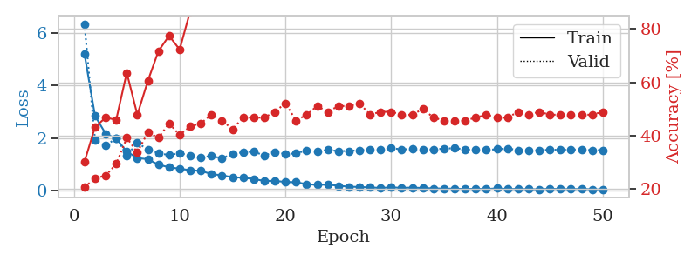
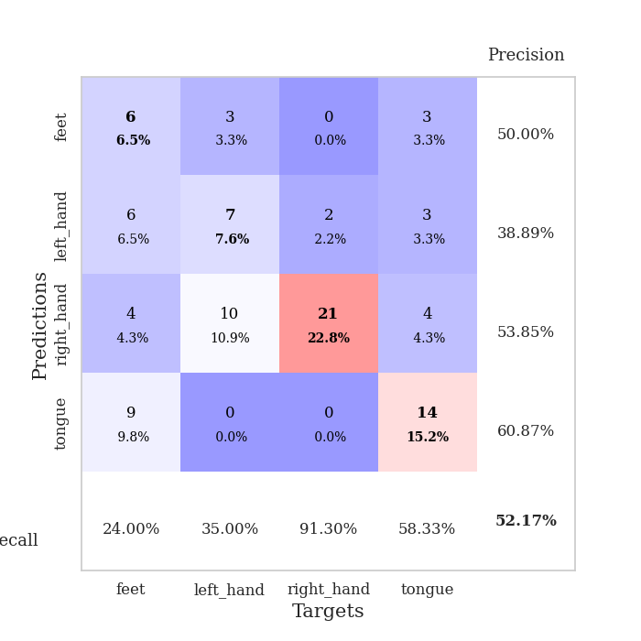
train_loss | valid_loss | train_accuracy | valid_accuracy | dur | train_misclass | valid_misclass
5.1995319543 | 6.3412344559 | 0.30163043478 | 0.20652173913 | 0.12236690521 | 30.163043478 | 20.652173913
2.835750414 | 1.9119126071 | 0.43206521739 | 0.23913043478 | 0.10534691811 | 43.206521739 | 23.913043478
2.1680426235 | 1.7162189691 | 0.46739130435 | 0.25 | 0.10349178314 | 46.739130435 | 25
1.9748619277 | 1.9823460579 | 0.45923913043 | 0.29347826087 | 0.11006903648 | 45.923913043 | 29.347826087
1.4840353468 | 1.3371372586 | 0.63586956522 | 0.39130434783 | 0.10628414154 | 63.586956522 | 39.130434783
1.2341267104 | 1.8076331875 | 0.47826086957 | 0.33695652174 | 0.11700868607 | 47.826086957 | 33.695652174
1.1923212875 | 1.5669219235 | 0.60597826087 | 0.41304347826 | 0.1071100235 | 60.597826087 | 41.304347826
0.97845629765 | 1.424017901 | 0.71739130435 | 0.39130434783 | 0.10914444923 | 71.739130435 | 39.130434783
0.8877590506 | 1.3474847519 | 0.77445652174 | 0.44565217391 | 0.10682940483 | 77.445652174 | 44.565217391
0.82872030528 | 1.4232814597 | 0.72282608696 | 0.40217391304 | 0.10482668877 | 72.282608696 | 40.217391304
0.77496145083 | 1.3282376891 | 0.86684782609 | 0.4347826087 | 0.10695743561 | 86.684782609 | 43.47826087
0.74562365724 | 1.2617230726 | 0.91576086957 | 0.44565217391 | 0.10935926437 | 91.576086957 | 44.565217391
0.62931231442 | 1.3078459372 | 0.92663043478 | 0.47826086957 | 0.10862493515 | 92.663043478 | 47.826086957
0.575868994 | 1.2273902712 | 0.96195652174 | 0.45652173913 | 0.10458183289 | 96.195652174 | 45.652173913
0.50357541053 | 1.3888603086 | 0.92119565217 | 0.42391304348 | 0.11536955833 | 92.119565217 | 42.391304348
0.4886234312 | 1.4556346639 | 0.92663043478 | 0.46739130435 | 0.11430048943 | 92.663043478 | 46.739130435
0.43467492254 | 1.4786392865 | 0.96739130435 | 0.46739130435 | 0.10496377945 | 96.739130435 | 46.739130435
0.36504236965 | 1.3351596387 | 0.98913043478 | 0.46739130435 | 0.10662794113 | 98.913043478 | 46.739130435
0.36553171633 | 1.4563312271 | 0.99456521739 | 0.48913043478 | 0.1106338501 | 99.456521739 | 48.913043478
0.32517478712 | 1.3910149258 | 0.99184782609 | 0.52173913043 | 0.10592699051 | 99.184782609 | 52.173913043
0.3151682084 | 1.4112242512 | 0.9972826087 | 0.45652173913 | 0.10648369789 | 99.72826087 | 45.652173913
0.24171614874 | 1.5261875495 | 1 | 0.47826086957 | 0.10912442207 | 100 | 47.826086957
0.21436601845 | 1.4765581774 | 0.9972826087 | 0.51086956522 | 0.10861229897 | 99.72826087 | 51.086956522
0.22759426418 | 1.5438180333 | 1 | 0.48913043478 | 0.10339736938 | 100 | 48.913043478
0.18007018385 | 1.5025416768 | 1 | 0.51086956522 | 0.10779976845 | 100 | 51.086956522
0.14698833041 | 1.5053884102 | 1 | 0.51086956522 | 0.10830020905 | 100 | 51.086956522
0.13436915644 | 1.5367881837 | 1 | 0.52173913043 | 0.10689401627 | 100 | 52.173913043
0.11595575293 | 1.5525003775 | 1 | 0.47826086957 | 0.10109877586 | 100 | 47.826086957
0.0997819562 | 1.5674290605 | 1 | 0.48913043478 | 0.10498285294 | 100 | 48.913043478
0.11945711724 | 1.6078569474 | 1 | 0.48913043478 | 0.10722589493 | 100 | 48.913043478
0.10148235232 | 1.5701773426 | 1 | 0.47826086957 | 0.11551618576 | 100 | 47.826086957
0.11099706161 | 1.5766597468 | 1 | 0.47826086957 | 0.10643219948 | 100 | 47.826086957
0.095854941675 | 1.56794377 | 1 | 0.5 | 0.10609579086 | 100 | 50
0.081324077819 | 1.5633015011 | 1 | 0.46739130435 | 0.10932183266 | 100 | 46.739130435
0.073193952927 | 1.5975991902 | 1 | 0.45652173913 | 0.10388851166 | 100 | 45.652173913
0.070059372355 | 1.6100676578 | 1 | 0.45652173913 | 0.10635852814 | 100 | 45.652173913
0.058495562848 | 1.5669676014 | 1 | 0.45652173913 | 0.103515625 | 100 | 45.652173913
0.065439129815 | 1.5528937475 | 1 | 0.46739130435 | 0.10933828354 | 100 | 46.739130435
0.054610211686 | 1.5394175934 | 1 | 0.47826086957 | 0.11341571808 | 100 | 47.826086957
0.083127029321 | 1.5725379457 | 1 | 0.46739130435 | 0.10370254517 | 100 | 46.739130435
0.053352509585 | 1.6037078059 | 1 | 0.46739130435 | 0.10730791092 | 100 | 46.739130435
0.061448024869 | 1.5379136179 | 1 | 0.48913043478 | 0.10554718971 | 100 | 48.913043478
0.048832479135 | 1.531083335 | 1 | 0.47826086957 | 0.11088728905 | 100 | 47.826086957
0.046935830873 | 1.5294234234 | 1 | 0.48913043478 | 0.10390138626 | 100 | 48.913043478
0.065466782767 | 1.5514149303 | 1 | 0.47826086957 | 0.1128013134 | 100 | 47.826086957
0.054752769435 | 1.5525304546 | 1 | 0.47826086957 | 0.10385727882 | 100 | 47.826086957
0.051919560191 | 1.5541649539 | 1 | 0.47826086957 | 0.10709023476 | 100 | 47.826086957
0.058953558135 | 1.5676854175 | 1 | 0.47826086957 | 0.11067223549 | 100 | 47.826086957
0.046801515531 | 1.5340605404 | 1 | 0.47826086957 | 0.10613894463 | 100 | 47.826086957
0.040423616038 | 1.5383973277 | 1 | 0.48913043478 | 0.11061930656 | 100 | 48.913043478

Best Val accuracy is 0.5217391304347826 and Best test accuracy is 0.5344827586206896

Sheet2
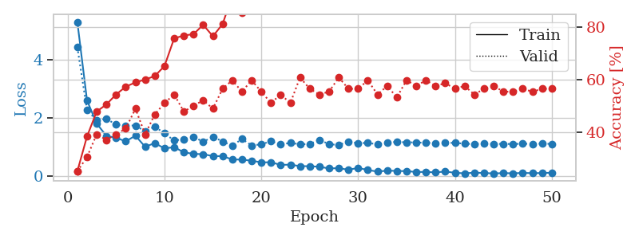
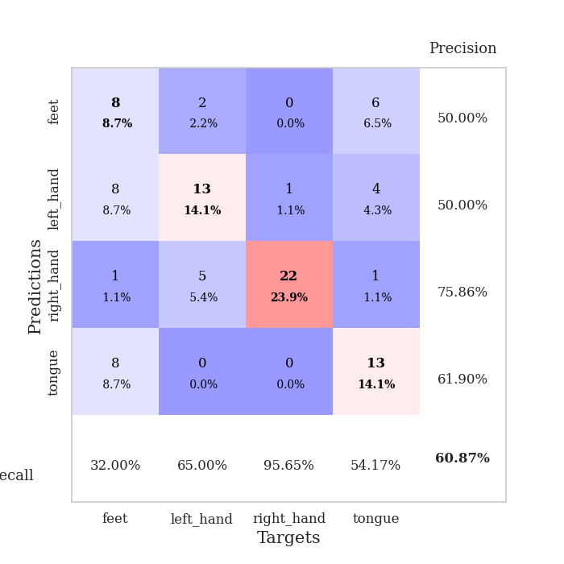
train_loss | valid_loss | train_accuracy | valid_accuracy | dur | train_misclass | valid_misclass
5.2970172322 | 4.4282844585 | 0.25 | 0.25 | 0.10349440575 | 25 | 25
2.5955205378 | 2.269224737 | 0.38315217391 | 0.30434782609 | 0.10486650467 | 38.315217391 | 30.434782609
1.8017688342 | 1.9093092214 | 0.47826086957 | 0.39130434783 | 0.10986995697 | 47.826086957 | 39.130434783
1.3758734516 | 1.9627758161 | 0.50543478261 | 0.36956521739 | 0.10893702507 | 50.543478261 | 36.956521739
1.312423846 | 1.7670412349 | 0.54347826087 | 0.39130434783 | 0.10447239876 | 54.347826087 | 39.130434783
1.1875052452 | 1.7311821606 | 0.57336956522 | 0.41304347826 | 0.10571527481 | 57.336956522 | 41.304347826
1.3842108198 | 1.7339321168 | 0.58967391304 | 0.48913043478 | 0.10493206978 | 58.967391304 | 48.913043478
1.0017081836 | 1.5314729317 | 0.60054347826 | 0.39130434783 | 0.10726857185 | 60.054347826 | 39.130434783
1.1297314608 | 1.6976821993 | 0.61413043478 | 0.46739130435 | 0.10899472237 | 61.413043478 | 46.739130435
0.94490794125 | 1.4614834656 | 0.65217391304 | 0.51086956522 | 0.11167240143 | 65.217391304 | 51.086956522
0.99031225754 | 1.2197019613 | 0.75815217391 | 0.54347826087 | 0.10862731934 | 75.815217391 | 54.347826087
0.80988461945 | 1.2594502465 | 0.76902173913 | 0.47826086957 | 0.11454987526 | 76.902173913 | 47.826086957
0.75851408036 | 1.3441583722 | 0.77445652174 | 0.5 | 0.10752177238 | 77.445652174 | 50
0.74620109667 | 1.1726030811 | 0.8097826087 | 0.52173913043 | 0.11277508736 | 80.97826087 | 52.173913043
0.68228450547 | 1.3462023554 | 0.76630434783 | 0.48913043478 | 0.1032807827 | 76.630434783 | 48.913043478
0.67844687856 | 1.185204537 | 0.8125 | 0.5652173913 | 0.10758543015 | 81.25 | 56.52173913
0.56654019848 | 1.0378653977 | 0.92119565217 | 0.59782608696 | 0.10947966576 | 92.119565217 | 59.782608696
0.56074656481 | 1.2707158457 | 0.85597826087 | 0.55434782609 | 0.11660552025 | 85.597826087 | 55.434782609
0.52186123962 | 1.0477236121 | 0.94565217391 | 0.59782608696 | 0.10916447639 | 94.565217391 | 59.782608696
0.46661769372 | 1.0859932485 | 0.95108695652 | 0.55434782609 | 0.11270093918 | 95.108695652 | 55.434782609
0.46831210022 | 1.1938765334 | 0.9375 | 0.51086956522 | 0.11135983467 | 93.75 | 51.086956522
0.37897869426 | 1.0800268961 | 0.97826086957 | 0.54347826087 | 0.1131541729 | 97.826086957 | 54.347826087
0.38625853606 | 1.1376511403 | 0.97282608696 | 0.51086956522 | 0.10151696205 | 97.282608696 | 51.086956522
0.33602722443 | 1.0862523266 | 0.98097826087 | 0.60869565217 | 0.10668945312 | 98.097826087 | 60.869565217
0.33405680501 | 1.0981157111 | 0.98913043478 | 0.5652173913 | 0.11452031136 | 98.913043478 | 56.52173913
0.31375613258 | 1.2379117764 | 0.98913043478 | 0.54347826087 | 0.11362671852 | 98.913043478 | 54.347826087
0.25784778919 | 1.0927891964 | 1 | 0.55434782609 | 0.10838460922 | 100 | 55.434782609
0.26657871983 | 1.061549661 | 1 | 0.60869565217 | 0.10766887665 | 100 | 60.869565217
0.21069065724 | 1.1853993483 | 0.99184782609 | 0.5652173913 | 0.10764932632 | 99.184782609 | 56.52173913
0.27532403527 | 1.1194766915 | 0.9972826087 | 0.5652173913 | 0.10614895821 | 99.72826087 | 56.52173913
0.20158971652 | 1.1404832031 | 1 | 0.59782608696 | 0.10449194908 | 100 | 59.782608696
0.14903571619 | 1.0812588541 | 1 | 0.54347826087 | 0.10432243347 | 100 | 54.347826087
0.1810207801 | 1.1543560132 | 1 | 0.57608695652 | 0.10561585426 | 100 | 57.608695652
0.17114642408 | 1.168739083 | 1 | 0.53260869565 | 0.10773444176 | 100 | 53.260869565
0.16334260871 | 1.1556317495 | 1 | 0.59782608696 | 0.10988402367 | 100 | 59.782608696
0.13614059547 | 1.1517085925 | 1 | 0.57608695652 | 0.10906553268 | 100 | 57.608695652
0.13538238682 | 1.1380077212 | 1 | 0.59782608696 | 0.10606455803 | 100 | 59.782608696
0.12175614703 | 1.1310657341 | 1 | 0.57608695652 | 0.10657095909 | 100 | 57.608695652
0.14951465785 | 1.1330902758 | 1 | 0.58695652174 | 0.10554695129 | 100 | 58.695652174
0.107509307 | 1.1377567079 | 1 | 0.5652173913 | 0.1134493351 | 100 | 56.52173913
0.087782525174 | 1.1057526573 | 1 | 0.57608695652 | 0.11742687225 | 100 | 57.608695652
0.11083758541 | 1.0984442338 | 1 | 0.54347826087 | 0.11393904686 | 100 | 54.347826087
0.10013421787 | 1.1066643673 | 1 | 0.5652173913 | 0.11497473717 | 100 | 56.52173913
0.083656432026 | 1.1008139356 | 1 | 0.57608695652 | 0.1075425148 | 100 | 57.608695652
0.097021781718 | 1.1011309909 | 1 | 0.55434782609 | 0.10879826546 | 100 | 55.434782609
0.088524673782 | 1.0960110089 | 1 | 0.55434782609 | 0.10994148254 | 100 | 55.434782609
0.10217304528 | 1.1075630732 | 1 | 0.5652173913 | 0.10473656654 | 100 | 56.52173913
0.094077919205 | 1.101377 | 1 | 0.55434782609 | 0.10308861732 | 100 | 55.434782609
0.097507645659 | 1.1103247171 | 1 | 0.5652173913 | 0.10554480553 | 100 | 56.52173913
0.10988740331 | 1.1000714017 | 1 | 0.5652173913 | 0.10896086693 | 100 | 56.52173913

Best Val accuracy is 0.6086956521739131 and Best test accuracy is 0.5775862068965517

Sheet3
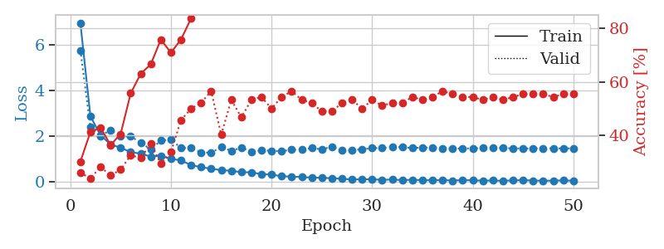
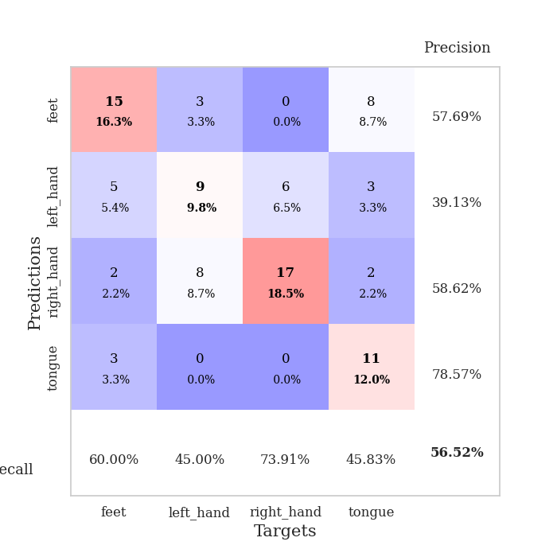
train_loss | valid_loss | train_accuracy | valid_accuracy | dur | train_misclass | valid_misclass
6.9605811161 | 5.7577122191 | 0.30163043478 | 0.26086956522 | 0.10737943649 | 30.163043478 | 26.086956522
2.8609081196 | 2.3870033648 | 0.41304347826 | 0.23913043478 | 0.10699391365 | 41.304347826 | 23.913043478
2.0388684532 | 2.009096892 | 0.42934782609 | 0.28260869565 | 0.10619521141 | 42.934782609 | 28.260869565
1.6260382274 | 2.2597846674 | 0.36413043478 | 0.25 | 0.11219549179 | 36.413043478 | 25
1.4863825751 | 1.9927852361 | 0.40489130435 | 0.27173913043 | 0.10419416428 | 40.489130435 | 27.173913043
1.2921510779 | 1.9776231828 | 0.55706521739 | 0.32608695652 | 0.10527992249 | 55.706521739 | 32.608695652
1.2243993878 | 1.7112688966 | 0.63043478261 | 0.3152173913 | 0.10488152504 | 63.043478261 | 31.52173913
1.0927665441 | 1.4113821569 | 0.66576086957 | 0.36956521739 | 0.10835385323 | 66.576086957 | 36.956521739
1.135758812 | 1.7990853527 | 0.75815217391 | 0.29347826087 | 0.10317015648 | 75.815217391 | 29.347826087
0.99332466592 | 1.8415664849 | 0.70923913043 | 0.33695652174 | 0.10891008377 | 70.923913043 | 33.695652174
0.93134115572 | 1.4709641597 | 0.75815217391 | 0.45652173913 | 0.1097881794 | 75.815217391 | 45.652173913
0.72053819117 | 1.4714964214 | 0.83695652174 | 0.5 | 0.11586833 | 83.695652174 | 50
0.63242848153 | 1.2811833335 | 0.91032608696 | 0.52173913043 | 0.11892986298 | 91.032608696 | 52.173913043
0.56026799782 | 1.2671348686 | 0.96195652174 | 0.5652173913 | 0.10680317879 | 96.195652174 | 56.52173913
0.5023533054 | 1.5110234851 | 0.90760869565 | 0.40217391304 | 0.098044157028 | 90.760869565 | 40.217391304
0.47215450911 | 1.3459532727 | 0.9402173913 | 0.53260869565 | 0.10097980499 | 94.02173913 | 53.260869565
0.41281126634 | 1.4833682775 | 0.94293478261 | 0.46739130435 | 0.10624885559 | 94.293478261 | 46.739130435
0.40158435346 | 1.3117402844 | 0.98097826087 | 0.53260869565 | 0.10451292992 | 98.097826087 | 53.260869565
0.32926196313 | 1.3654024705 | 0.95652173913 | 0.54347826087 | 0.10497403145 | 95.652173913 | 54.347826087
0.30200945618 | 1.355443856 | 0.9972826087 | 0.5 | 0.10065484047 | 99.72826087 | 50
0.234573695 | 1.3275799233 | 0.9972826087 | 0.54347826087 | 0.10465526581 | 99.72826087 | 54.347826087
0.21544427425 | 1.398790147 | 1 | 0.5652173913 | 0.10486650467 | 100 | 56.52173913
0.19988493783 | 1.395050251 | 0.99184782609 | 0.53260869565 | 0.1090927124 | 99.184782609 | 53.260869565
0.17099716903 | 1.46827988 | 1 | 0.52173913043 | 0.1106069088 | 100 | 52.173913043
0.16893024613 | 1.4130932196 | 1 | 0.48913043478 | 0.10273718834 | 100 | 48.913043478
0.14209113124 | 1.5279183699 | 1 | 0.48913043478 | 0.10576200485 | 100 | 48.913043478
0.12297144119 | 1.3876649763 | 1 | 0.52173913043 | 0.11181235313 | 100 | 52.173913043
0.089528246823 | 1.3760664048 | 1 | 0.53260869565 | 0.098890781403 | 100 | 53.260869565
0.097704262756 | 1.4151639057 | 1 | 0.5 | 0.10141992569 | 100 | 50
0.09701810842 | 1.46703052 | 1 | 0.53260869565 | 0.10494112968 | 100 | 53.260869565
0.077207894753 | 1.4691692902 | 1 | 0.51086956522 | 0.10533761978 | 100 | 51.086956522
0.086688622508 | 1.5125548062 | 1 | 0.52173913043 | 0.098372459412 | 100 | 52.173913043
0.065372223115 | 1.5108906549 | 1 | 0.52173913043 | 0.1043407917 | 100 | 52.173913043
0.077498236145 | 1.4706534147 | 1 | 0.54347826087 | 0.10476779938 | 100 | 54.347826087
0.063347721229 | 1.4894555496 | 1 | 0.53260869565 | 0.10180950165 | 100 | 53.260869565
0.055780678907 | 1.4901996125 | 1 | 0.54347826087 | 0.099593400955 | 100 | 54.347826087
0.067015682469 | 1.4438789046 | 1 | 0.5652173913 | 0.097883701324 | 100 | 56.52173913
0.044769060515 | 1.4498129046 | 1 | 0.55434782609 | 0.10456037521 | 100 | 55.434782609
0.066002544178 | 1.4488949828 | 1 | 0.54347826087 | 0.10672736168 | 100 | 54.347826087
0.053296480976 | 1.4555977427 | 1 | 0.54347826087 | 0.099101305008 | 100 | 54.347826087
0.041820700523 | 1.4655274671 | 1 | 0.53260869565 | 0.10309433937 | 100 | 53.260869565
0.045772963244 | 1.4692939624 | 1 | 0.54347826087 | 0.10691905022 | 100 | 54.347826087
0.036489399352 | 1.4691806617 | 1 | 0.53260869565 | 0.10790419579 | 100 | 53.260869565
0.050025946056 | 1.4572166153 | 1 | 0.54347826087 | 0.10952734947 | 100 | 54.347826087
0.064461398586 | 1.4503529175 | 1 | 0.55434782609 | 0.1053955555 | 100 | 55.434782609
0.044800364979 | 1.4532635575 | 1 | 0.55434782609 | 0.095252990723 | 100 | 55.434782609
0.037147477978 | 1.4535208215 | 1 | 0.55434782609 | 0.10574126244 | 100 | 55.434782609
0.042460846634 | 1.4605244087 | 1 | 0.54347826087 | 0.10151195526 | 100 | 54.347826087
0.050303604231 | 1.4526955615 | 1 | 0.55434782609 | 0.10464286804 | 100 | 55.434782609
0.038723072057 | 1.4559904959 | 1 | 0.55434782609 | 0.10727310181 | 100 | 55.434782609

Best Val accuracy is 0.5652173913043478 and Best test accuracy is 0.5172413793103449

Sheet4
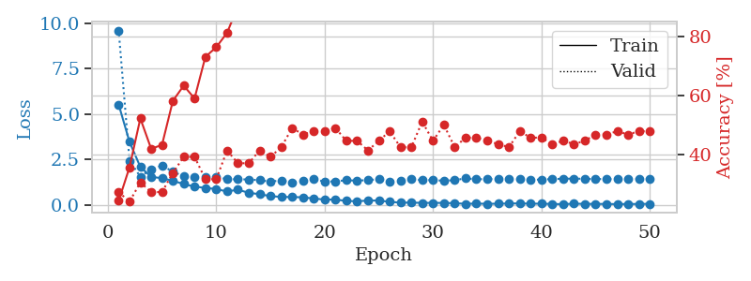
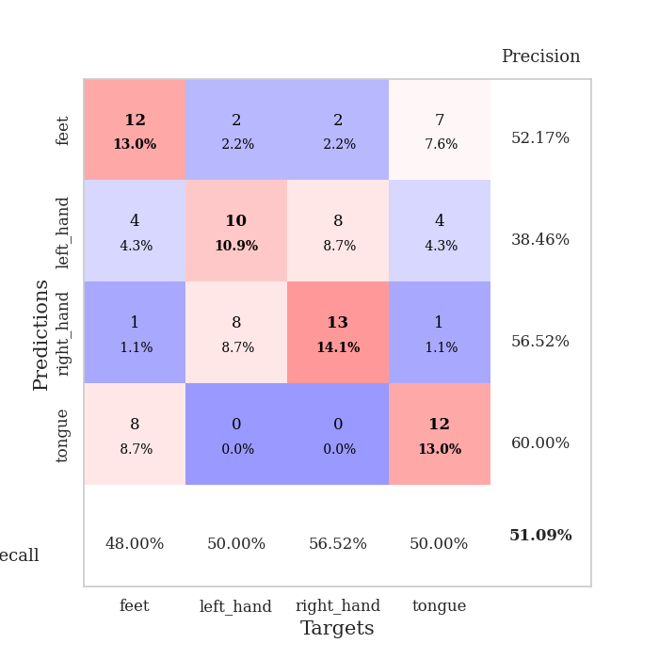
train_loss | valid_loss | train_accuracy | valid_accuracy | dur | train_misclass | valid_misclass
5.526931913 | 9.6013361475 | 0.24184782609 | 0.27173913043 | 0.09775018692 | 24.184782609 | 27.173913043
3.4678588017 | 2.4349437278 | 0.35597826087 | 0.23913043478 | 0.095837593079 | 35.597826087 | 23.913043478
2.0869709305 | 1.5509817963 | 0.52173913043 | 0.30434782609 | 0.095847845078 | 52.173913043 | 30.434782609
1.5437508174 | 1.969870956 | 0.41847826087 | 0.27173913043 | 0.099899530411 | 41.847826087 | 27.173913043
1.4686761939 | 2.1638795708 | 0.43206521739 | 0.27173913043 | 0.10540413857 | 43.206521739 | 27.173913043
1.3268835804 | 1.8310813489 | 0.58152173913 | 0.33695652174 | 0.0980489254 | 58.152173913 | 33.695652174
1.1466583402 | 1.5732637825 | 0.63315217391 | 0.39130434783 | 0.10075736046 | 63.315217391 | 39.130434783
1.0066851611 | 1.5413150736 | 0.58967391304 | 0.39130434783 | 0.11149501801 | 58.967391304 | 39.130434783
0.93373306938 | 1.5341508337 | 0.73097826087 | 0.3152173913 | 0.1004576683 | 73.097826087 | 31.52173913
0.87387522666 | 1.5348322547 | 0.76358695652 | 0.3152173913 | 0.10346841812 | 76.358695652 | 31.52173913
0.73403094255 | 1.4151730175 | 0.8125 | 0.41304347826 | 0.10248613358 | 81.25 | 41.304347826
0.83845032816 | 1.4073080809 | 0.90217391304 | 0.36956521739 | 0.10632038116 | 90.217391304 | 36.956521739
0.66314640965 | 1.3999492552 | 0.92119565217 | 0.36956521739 | 0.10405111313 | 92.119565217 | 36.956521739
0.59075511668 | 1.3585920386 | 0.9402173913 | 0.41304347826 | 0.10551142693 | 94.02173913 | 41.304347826
0.48074444869 | 1.2806733173 | 0.97010869565 | 0.39130434783 | 0.10994648933 | 97.010869565 | 39.130434783
0.44096750539 | 1.3509204491 | 0.97554347826 | 0.42391304348 | 0.1146633625 | 97.554347826 | 42.391304348
0.42899186132 | 1.2220411974 | 0.97826086957 | 0.48913043478 | 0.10512018204 | 97.826086957 | 48.913043478
0.41978180797 | 1.3456727577 | 0.98641304348 | 0.46739130435 | 0.096361398697 | 98.641304348 | 46.739130435
0.34695985848 | 1.42153303 | 0.98369565217 | 0.47826086957 | 0.099774360657 | 98.369565217 | 47.826086957
0.29491377816 | 1.2788296109 | 1 | 0.47826086957 | 0.10570240021 | 100 | 47.826086957
0.29330998206 | 1.2985795995 | 0.9972826087 | 0.48913043478 | 0.098923444748 | 99.72826087 | 48.913043478
0.21852311719 | 1.3566678244 | 0.9972826087 | 0.44565217391 | 0.10130929947 | 99.72826087 | 44.565217391
0.19983204746 | 1.3343619212 | 1 | 0.44565217391 | 0.10560107231 | 100 | 44.565217391
0.23789473979 | 1.3648482665 | 1 | 0.41304347826 | 0.11146807671 | 100 | 41.304347826
0.24058097698 | 1.4099829352 | 0.9972826087 | 0.44565217391 | 0.10871767998 | 99.72826087 | 44.565217391
0.16761809045 | 1.2948116686 | 1 | 0.47826086957 | 0.1009645462 | 100 | 47.826086957
0.12532803165 | 1.3182455405 | 1 | 0.42391304348 | 0.10161018372 | 100 | 42.391304348
0.12439940327 | 1.4203992356 | 1 | 0.42391304348 | 0.10389566422 | 100 | 42.391304348
0.11091487928 | 1.3588903831 | 1 | 0.51086956522 | 0.10086393356 | 100 | 51.086956522
0.11115940336 | 1.3641400078 | 1 | 0.44565217391 | 0.10919833183 | 100 | 44.565217391
0.10849358972 | 1.3284434236 | 1 | 0.5 | 0.10132956505 | 100 | 50
0.091711049292 | 1.3597452278 | 1 | 0.42391304348 | 0.10236001015 | 100 | 42.391304348
0.059564542106 | 1.4621808581 | 1 | 0.45652173913 | 0.10454392433 | 100 | 45.652173913
0.070354753943 | 1.4082721161 | 1 | 0.45652173913 | 0.10037994385 | 100 | 45.652173913
0.060201815937 | 1.422649368 | 1 | 0.44565217391 | 0.095289468765 | 100 | 44.565217391
0.064301043384 | 1.4228214129 | 1 | 0.4347826087 | 0.095446825027 | 100 | 43.47826087
0.076022995676 | 1.4457144789 | 1 | 0.42391304348 | 0.099033117294 | 100 | 42.391304348
0.082068711357 | 1.4106916034 | 1 | 0.47826086957 | 0.10930514336 | 100 | 47.826086957
0.066098329834 | 1.3852204499 | 1 | 0.45652173913 | 0.10884547234 | 100 | 45.652173913
0.066568474569 | 1.3926150125 | 1 | 0.45652173913 | 0.10915589333 | 100 | 45.652173913
0.050231852245 | 1.425693569 | 1 | 0.4347826087 | 0.098256587982 | 100 | 43.47826087
0.038996699064 | 1.4378546165 | 1 | 0.44565217391 | 0.097714424133 | 100 | 44.565217391
0.064741159486 | 1.4471068849 | 1 | 0.4347826087 | 0.11080121994 | 100 | 43.47826087
0.056128662727 | 1.4349023622 | 1 | 0.44565217391 | 0.11156654358 | 100 | 44.565217391
0.052212627524 | 1.4247642756 | 1 | 0.46739130435 | 0.10983872414 | 100 | 46.739130435
0.050966414522 | 1.4212869976 | 1 | 0.46739130435 | 0.11379766464 | 100 | 46.739130435
0.042022119519 | 1.4240815225 | 1 | 0.47826086957 | 0.10782146454 | 100 | 47.826086957
0.048757472723 | 1.4247904757 | 1 | 0.46739130435 | 0.10605502129 | 100 | 46.739130435
0.048797003479 | 1.425078081 | 1 | 0.47826086957 | 0.11307215691 | 100 | 47.826086957
0.059171892784 | 1.4191926096 | 1 | 0.47826086957 | 0.10709071159 | 100 | 47.826086957

Best Val accuracy is 0.5108695652173914 and Best test accuracy is 0.5862068965517241

Sheet5
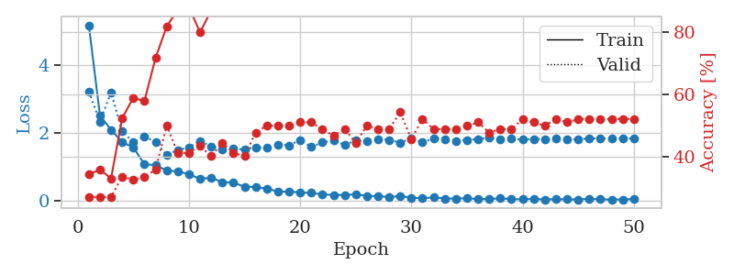
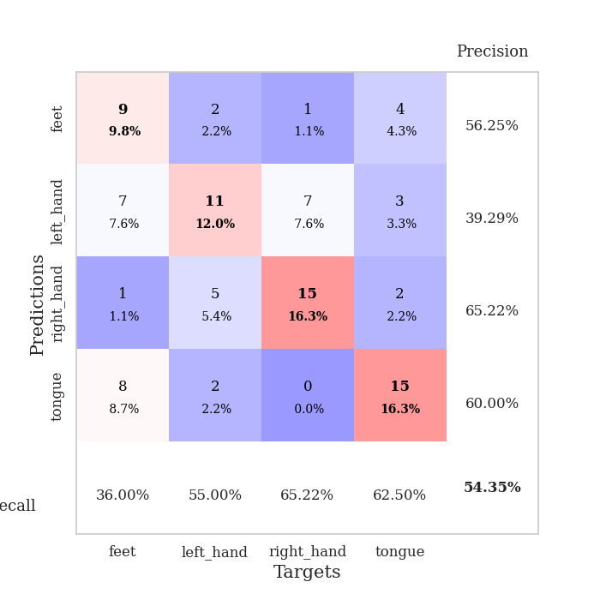
train_loss | valid_loss | train_accuracy | valid_accuracy | dur | train_misclass | valid_misclass
5.1909989689 | 3.2234580517 | 0.34510869565 | 0.27173913043 | 0.10493922234 | 34.510869565 | 27.173913043
2.520245578 | 2.3413173116 | 0.35869565217 | 0.27173913043 | 0.11111521721 | 35.869565217 | 27.173913043
2.0918989907 | 3.2024949737 | 0.33152173913 | 0.27173913043 | 0.10101771355 | 33.152173913 | 27.173913043
1.7332628706 | 2.0454113898 | 0.52445652174 | 0.33695652174 | 0.10509848595 | 52.445652174 | 33.695652174
1.5743946407 | 1.7322773156 | 0.58967391304 | 0.32608695652 | 0.10539484024 | 58.967391304 | 32.608695652
1.074663836 | 1.8989122329 | 0.57880434783 | 0.33695652174 | 0.10986447334 | 57.880434783 | 33.695652174
1.052895739 | 1.7358282183 | 0.71739130435 | 0.35869565217 | 0.10787940025 | 71.739130435 | 35.869565217
0.8871914874 | 1.3608221489 | 0.81793478261 | 0.5 | 0.10488295555 | 81.793478261 | 50
0.8654826426 | 1.4977463276 | 0.8722826087 | 0.41304347826 | 0.10200548172 | 87.22826087 | 41.304347826
0.78364323404 | 1.5788215295 | 0.88043478261 | 0.41304347826 | 0.1097946167 | 88.043478261 | 41.304347826
0.64155216062 | 1.7668129309 | 0.79891304348 | 0.4347826087 | 0.10769200325 | 79.891304348 | 43.47826087
0.67542677599 | 1.5971850675 | 0.86956521739 | 0.40217391304 | 0.10728144646 | 86.956521739 | 40.217391304
0.54489161528 | 1.5228452527 | 0.91576086957 | 0.44565217391 | 0.10525608063 | 91.576086957 | 44.565217391
0.53063493514 | 1.5291821076 | 0.94293478261 | 0.41304347826 | 0.11295294762 | 94.293478261 | 41.304347826
0.41207958499 | 1.5146046255 | 0.98369565217 | 0.40217391304 | 0.10756850243 | 98.369565217 | 40.217391304
0.39947998653 | 1.5810923628 | 0.96739130435 | 0.47826086957 | 0.10223293304 | 96.739130435 | 47.826086957
0.35314254592 | 1.5578391086 | 0.97554347826 | 0.5 | 0.11000847816 | 97.554347826 | 50
0.27112977595 | 1.6573649956 | 0.9972826087 | 0.5 | 0.10470151901 | 99.72826087 | 50
0.26265133464 | 1.6358322475 | 0.98913043478 | 0.5 | 0.10082793236 | 98.913043478 | 50
0.24505698406 | 1.7924521954 | 0.97826086957 | 0.51086956522 | 0.10952877998 | 97.826086957 | 51.086956522
0.2262463155 | 1.5918041364 | 1 | 0.51086956522 | 0.099613189697 | 100 | 51.086956522
0.18398087941 | 1.719265321 | 1 | 0.48913043478 | 0.11248159409 | 100 | 48.913043478
0.16570411687 | 1.7780006502 | 1 | 0.46739130435 | 0.11098027229 | 100 | 46.739130435
0.16746453585 | 1.6482881204 | 0.99456521739 | 0.48913043478 | 0.10537600517 | 99.456521739 | 48.913043478
0.18505991963 | 1.7774691063 | 1 | 0.44565217391 | 0.10859560966 | 100 | 44.565217391
0.13864142286 | 1.7539130968 | 1 | 0.5 | 0.11030817032 | 100 | 50
0.13116581163 | 1.823087402 | 1 | 0.48913043478 | 0.1036260128 | 100 | 48.913043478
0.10939366646 | 1.7968417406 | 1 | 0.48913043478 | 0.1074488163 | 100 | 48.913043478
0.13450501608 | 1.7080646598 | 1 | 0.54347826087 | 0.10675597191 | 100 | 54.347826087
0.08676368484 | 1.8507182909 | 1 | 0.45652173913 | 0.10474467278 | 100 | 45.652173913
0.068007666051 | 1.7210722073 | 1 | 0.52173913043 | 0.10734701157 | 100 | 52.173913043
0.098590821028 | 1.8464803177 | 1 | 0.48913043478 | 0.10685229301 | 100 | 48.913043478
0.05998484681 | 1.8216469081 | 1 | 0.48913043478 | 0.10189914703 | 100 | 48.913043478
0.061582720191 | 1.7717911161 | 1 | 0.48913043478 | 0.10762882233 | 100 | 48.913043478
0.066425043158 | 1.7986579667 | 1 | 0.5 | 0.10980772972 | 100 | 50
0.046494218075 | 1.8184668914 | 1 | 0.51086956522 | 0.10749173164 | 100 | 51.086956522
0.046444909364 | 1.8740266406 | 1 | 0.47826086957 | 0.11080002785 | 100 | 47.826086957
0.067605755697 | 1.8188613498 | 1 | 0.48913043478 | 0.1067943573 | 100 | 48.913043478
0.04241855151 | 1.8284002283 | 1 | 0.48913043478 | 0.10582947731 | 100 | 48.913043478
0.040133858646 | 1.8060203739 | 1 | 0.52173913043 | 0.11220955849 | 100 | 52.173913043
0.048747017129 | 1.8244968601 | 1 | 0.51086956522 | 0.11178779602 | 100 | 51.086956522
0.033114683288 | 1.8181922228 | 1 | 0.5 | 0.10725164413 | 100 | 50
0.039511985692 | 1.8302564621 | 1 | 0.52173913043 | 0.11157560349 | 100 | 52.173913043
0.036458838225 | 1.8240590614 | 1 | 0.51086956522 | 0.11240100861 | 100 | 51.086956522
0.033073257371 | 1.8085611903 | 1 | 0.52173913043 | 0.10736703873 | 100 | 52.173913043
0.052207031044 | 1.8455969251 | 1 | 0.52173913043 | 0.11094093323 | 100 | 52.173913043
0.038644925226 | 1.8402658545 | 1 | 0.52173913043 | 0.10750341415 | 100 | 52.173913043
0.029657636081 | 1.8360034279 | 1 | 0.52173913043 | 0.11577916145 | 100 | 52.173913043
0.036005240258 | 1.8417592567 | 1 | 0.52173913043 | 0.11151981354 | 100 | 52.173913043
0.042017014211 | 1.8423198721 | 1 | 0.52173913043 | 0.10800266266 | 100 | 52.173913043

Best Val accuracy is 0.5434782608695652 and Best test accuracy is 0.47413793103448276

Sheet6
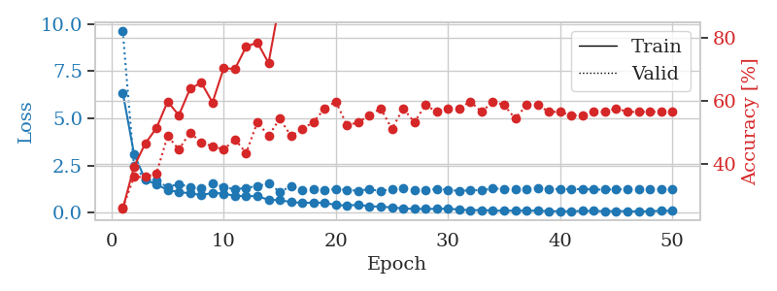
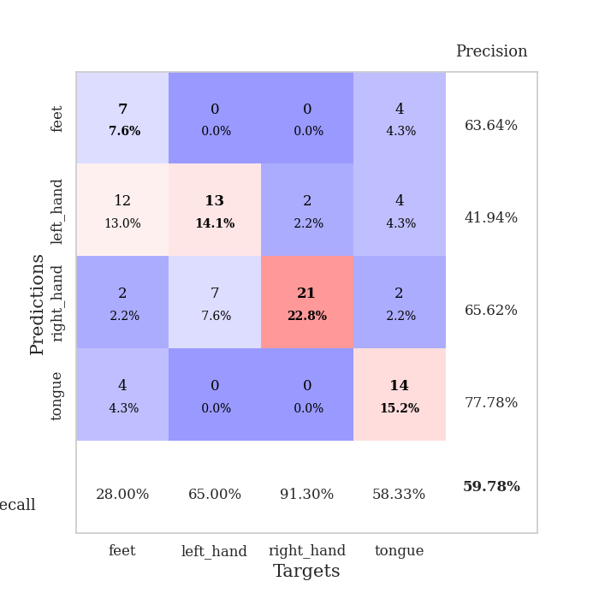
train_loss | valid_loss | train_accuracy | valid_accuracy | dur | train_misclass | valid_misclass
6.3590457543 | 9.62684055 | 0.25815217391 | 0.26086956522 | 0.11513543129 | 25.815217391 | 26.086956522
3.1225419666 | 2.4761375655 | 0.39130434783 | 0.35869565217 | 0.10592317581 | 39.130434783 | 35.869565217
1.7503772844 | 1.7834632112 | 0.46467391304 | 0.35869565217 | 0.10675692558 | 46.467391304 | 35.869565217
1.4962625141 | 1.689104075 | 0.51358695652 | 0.36956521739 | 0.10718345642 | 51.358695652 | 36.956521739
1.2040281995 | 1.360043137 | 0.59782608696 | 0.48913043478 | 0.11010527611 | 59.782608696 | 48.913043478
1.0927295685 | 1.5239839061 | 0.55434782609 | 0.44565217391 | 0.10699391365 | 55.434782609 | 44.565217391
1.0296356315 | 1.3544625821 | 0.63858695652 | 0.5 | 0.1070702076 | 63.858695652 | 50
0.93313534623 | 1.274524357 | 0.65760869565 | 0.46739130435 | 0.1071844101 | 65.760869565 | 46.739130435
1.0502632131 | 1.5342909305 | 0.59510869565 | 0.45652173913 | 0.10605716705 | 59.510869565 | 45.652173913
1.0130476679 | 1.3718934318 | 0.70380434783 | 0.44565217391 | 0.10935783386 | 70.380434783 | 44.565217391
0.89111627703 | 1.232625316 | 0.70108695652 | 0.47826086957 | 0.10998463631 | 70.108695652 | 47.826086957
0.88383401606 | 1.321916715 | 0.77173913043 | 0.4347826087 | 0.10556840897 | 77.173913043 | 43.47826087
0.87413033454 | 1.4092298565 | 0.78532608696 | 0.53260869565 | 0.11192989349 | 78.532608696 | 53.260869565
0.68587105041 | 1.5424114362 | 0.72010869565 | 0.48913043478 | 0.10466337204 | 72.010869565 | 48.913043478
0.66579656497 | 1.1115174915 | 0.91576086957 | 0.54347826087 | 0.1084587574 | 91.576086957 | 54.347826087
0.56646032178 | 1.3920901029 | 0.88858695652 | 0.48913043478 | 0.10843729973 | 88.858695652 | 48.913043478
0.5176801526 | 1.2117800557 | 0.89130434783 | 0.51086956522 | 0.10753059387 | 89.130434783 | 51.086956522
0.53057887891 | 1.2523547903 | 0.8722826087 | 0.53260869565 | 0.10802578926 | 87.22826087 | 53.260869565
0.52615157158 | 1.1754259312 | 0.94293478261 | 0.57608695652 | 0.10786032677 | 94.293478261 | 57.608695652
0.40429978526 | 1.2630847874 | 0.95380434783 | 0.59782608696 | 0.11245250702 | 95.380434783 | 59.782608696
0.37870155081 | 1.2065363811 | 0.96467391304 | 0.52173913043 | 0.10740470886 | 96.467391304 | 52.173913043
0.42059825555 | 1.1644029669 | 0.98369565217 | 0.53260869565 | 0.10878658295 | 98.369565217 | 53.260869565
0.34095693639 | 1.2469734187 | 0.98097826087 | 0.55434782609 | 0.10161685944 | 98.097826087 | 55.434782609
0.32149936648 | 1.141741636 | 0.99184782609 | 0.57608695652 | 0.10351657867 | 99.184782609 | 57.608695652
0.2787003258 | 1.2636311002 | 0.97554347826 | 0.51086956522 | 0.11108398438 | 97.554347826 | 51.086956522
0.22700462863 | 1.2812293327 | 0.98369565217 | 0.57608695652 | 0.1019859314 | 98.369565217 | 57.608695652
0.19883695617 | 1.2073779521 | 1 | 0.53260869565 | 0.10483384132 | 100 | 53.260869565
0.2006317748 | 1.1794397079 | 1 | 0.58695652174 | 0.11104369164 | 100 | 58.695652174
0.20286793003 | 1.2697904032 | 1 | 0.5652173913 | 0.11313199997 | 100 | 56.52173913
0.21316576555 | 1.2153682476 | 1 | 0.57608695652 | 0.10758876801 | 100 | 57.608695652
0.16738810601 | 1.1521750922 | 1 | 0.57608695652 | 0.10126805305 | 100 | 57.608695652
0.13154352068 | 1.1863908845 | 1 | 0.59782608696 | 0.11920619011 | 100 | 59.782608696
0.14072284183 | 1.1979691308 | 1 | 0.5652173913 | 0.10800170898 | 100 | 56.52173913
0.11240335619 | 1.2756002208 | 1 | 0.59782608696 | 0.10313677788 | 100 | 59.782608696
0.10351116388 | 1.268418465 | 1 | 0.58695652174 | 0.10429096222 | 100 | 58.695652174
0.11035982017 | 1.2460550925 | 1 | 0.54347826087 | 0.10961985588 | 100 | 54.347826087
0.1042297983 | 1.2350448007 | 1 | 0.58695652174 | 0.11120438576 | 100 | 58.695652174
0.10935118219 | 1.3088079898 | 1 | 0.58695652174 | 0.11272096634 | 100 | 58.695652174
0.079525242924 | 1.2590846808 | 1 | 0.5652173913 | 0.10782074928 | 100 | 56.52173913
0.08093878149 | 1.2528464794 | 1 | 0.5652173913 | 0.10844302177 | 100 | 56.52173913
0.072332103534 | 1.246384473 | 1 | 0.55434782609 | 0.10878205299 | 100 | 55.434782609
0.094694678429 | 1.2537521798 | 1 | 0.55434782609 | 0.1107814312 | 100 | 55.434782609
0.091770508954 | 1.2282693464 | 1 | 0.5652173913 | 0.10899806023 | 100 | 56.52173913
0.079561974651 | 1.2231620006 | 1 | 0.5652173913 | 0.1061797142 | 100 | 56.52173913
0.086293211693 | 1.2454138217 | 1 | 0.57608695652 | 0.10920500755 | 100 | 57.608695652
0.077114771363 | 1.2303353393 | 1 | 0.5652173913 | 0.11297035217 | 100 | 56.52173913
0.067807874804 | 1.2303896132 | 1 | 0.5652173913 | 0.10358476639 | 100 | 56.52173913
0.077302327704 | 1.2327630313 | 1 | 0.5652173913 | 0.11082291603 | 100 | 56.52173913
0.10391714011 | 1.2449062933 | 1 | 0.5652173913 | 0.10907578468 | 100 | 56.52173913
0.097045741489 | 1.2370647062 | 1 | 0.5652173913 | 0.11134624481 | 100 | 56.52173913

Best Val accuracy is 0.5978260869565217 and Best test accuracy is 0.5344827586206896

Sheet7
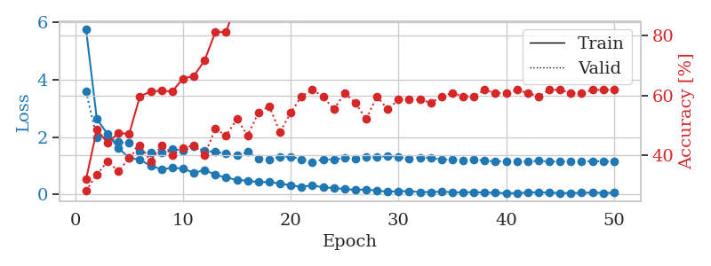
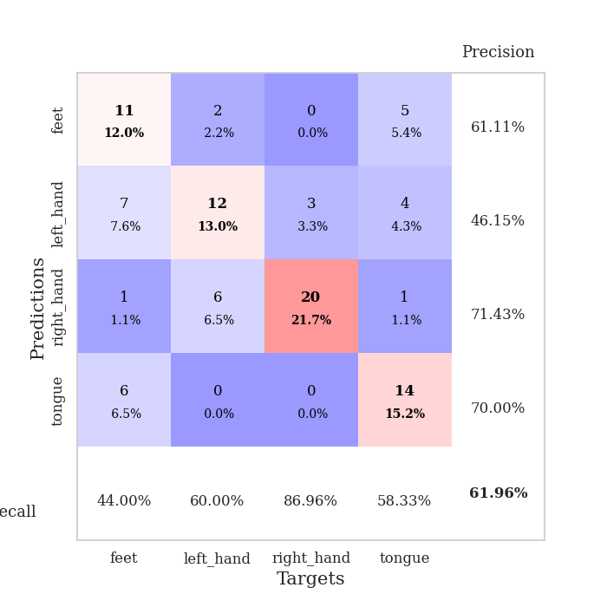
train_loss | valid_loss | train_accuracy | valid_accuracy | dur | train_misclass | valid_misclass
5.7541324781 | 3.5826490651 | 0.32065217391 | 0.28260869565 | 0.11093711853 | 32.065217391 | 28.260869565
2.6221854739 | 1.9749776902 | 0.48641304348 | 0.33695652174 | 0.11008286476 | 48.641304348 | 33.695652174
2.1029132242 | 1.9852715627 | 0.44293478261 | 0.38043478261 | 0.10949826241 | 44.293478261 | 38.043478261
1.6195949679 | 1.8206768917 | 0.47554347826 | 0.34782608696 | 0.10602617264 | 47.554347826 | 34.782608696
1.2753419461 | 1.7939364755 | 0.47282608696 | 0.39130434783 | 0.10559439659 | 47.282608696 | 39.130434783
1.2155048692 | 1.4890498908 | 0.59782608696 | 0.4347826087 | 0.11637020111 | 59.782608696 | 43.47826087
0.99149801938 | 1.4643120973 | 0.61413043478 | 0.38043478261 | 0.10445427895 | 61.413043478 | 38.043478261
0.88252868989 | 1.4741306253 | 0.61684782609 | 0.4347826087 | 0.11020159721 | 61.684782609 | 43.47826087
0.9279988434 | 1.5889764713 | 0.61413043478 | 0.40217391304 | 0.11441040039 | 61.413043478 | 40.217391304
0.90356753961 | 1.5233236448 | 0.65760869565 | 0.42391304348 | 0.10845732689 | 65.760869565 | 42.391304348
0.75323074019 | 1.6620826255 | 0.66576086957 | 0.4347826087 | 0.1078646183 | 66.576086957 | 43.47826087
0.85249754916 | 1.5115130362 | 0.71739130435 | 0.40217391304 | 0.10347342491 | 71.739130435 | 40.217391304
0.68470099439 | 1.4839437345 | 0.8125 | 0.48913043478 | 0.098799467087 | 81.25 | 48.913043478
0.59061222167 | 1.422348336 | 0.8125 | 0.46739130435 | 0.10170793533 | 81.25 | 46.739130435
0.50753222341 | 1.3656116258 | 0.91847826087 | 0.52173913043 | 0.10375237465 | 91.847826087 | 52.173913043
0.48469217769 | 1.4787012598 | 0.89945652174 | 0.46739130435 | 0.11096072197 | 89.945652174 | 46.739130435
0.43072556154 | 1.2530009151 | 0.95652173913 | 0.54347826087 | 0.11102318764 | 95.652173913 | 54.347826087
0.43476825629 | 1.2152268291 | 0.98097826087 | 0.5652173913 | 0.10810947418 | 98.097826087 | 56.52173913
0.3818546093 | 1.3127943537 | 0.98913043478 | 0.47826086957 | 0.10504698753 | 98.913043478 | 47.826086957
0.31986988627 | 1.3205176125 | 0.98369565217 | 0.54347826087 | 0.10347342491 | 98.369565217 | 54.347826087
0.26477778509 | 1.2210372116 | 0.97282608696 | 0.59782608696 | 0.11348509789 | 97.282608696 | 59.782608696
0.32434198714 | 1.1349008368 | 0.99456521739 | 0.61956521739 | 0.10596895218 | 99.456521739 | 61.956521739
0.24383054787 | 1.2180838481 | 0.9972826087 | 0.59782608696 | 0.10538673401 | 99.72826087 | 59.782608696
0.2306027989 | 1.2222733316 | 1 | 0.55434782609 | 0.10471463203 | 100 | 55.434782609
0.18985945586 | 1.2683278685 | 0.9972826087 | 0.60869565217 | 0.098067045212 | 99.72826087 | 60.869565217
0.16424674411 | 1.258649598 | 1 | 0.57608695652 | 0.11034679413 | 100 | 57.608695652
0.17478777371 | 1.294722075 | 1 | 0.52173913043 | 0.10941886902 | 100 | 52.173913043
0.13784362522 | 1.3015314703 | 1 | 0.59782608696 | 0.1046462059 | 100 | 59.782608696
0.094102956598 | 1.3501950243 | 1 | 0.55434782609 | 0.10827422142 | 100 | 55.434782609
0.11779267487 | 1.3112954575 | 1 | 0.58695652174 | 0.10843682289 | 100 | 58.695652174
0.11329653721 | 1.2393621103 | 1 | 0.58695652174 | 0.10371685028 | 100 | 58.695652174
0.085048793613 | 1.2871511397 | 0.9972826087 | 0.58695652174 | 0.11068844795 | 99.72826087 | 58.695652174
0.08648413857 | 1.2785521227 | 1 | 0.57608695652 | 0.11185741425 | 100 | 57.608695652
0.095748958785 | 1.2170577619 | 1 | 0.59782608696 | 0.10948705673 | 100 | 59.782608696
0.081863341043 | 1.2079701579 | 1 | 0.60869565217 | 0.10073280334 | 100 | 60.869565217
0.071051524102 | 1.185368867 | 1 | 0.59782608696 | 0.11242890358 | 100 | 59.782608696
0.087051639293 | 1.227923046 | 1 | 0.59782608696 | 0.11062407494 | 100 | 59.782608696
0.061810274365 | 1.1731906766 | 1 | 0.61956521739 | 0.10776233673 | 100 | 61.956521739
0.06638308493 | 1.155024513 | 1 | 0.60869565217 | 0.10854768753 | 100 | 60.869565217
0.04255314147 | 1.1559843551 | 1 | 0.60869565217 | 0.1077876091 | 100 | 60.869565217
0.048429671918 | 1.1437970996 | 1 | 0.61956521739 | 0.10712885857 | 100 | 61.956521739
0.068443183099 | 1.1458170336 | 1 | 0.60869565217 | 0.11052846909 | 100 | 60.869565217
0.078926963975 | 1.1684626393 | 1 | 0.59782608696 | 0.1108250618 | 100 | 59.782608696
0.063031027296 | 1.1473563028 | 1 | 0.61956521739 | 0.11109566689 | 100 | 61.956521739
0.053973682549 | 1.1488611931 | 1 | 0.61956521739 | 0.1050286293 | 100 | 61.956521739
0.051417783065 | 1.1597104513 | 1 | 0.60869565217 | 0.11160445213 | 100 | 60.869565217
0.059328397493 | 1.1587127395 | 1 | 0.60869565217 | 0.1077978611 | 100 | 60.869565217
0.067866921344 | 1.161261162 | 1 | 0.61956521739 | 0.10585927963 | 100 | 61.956521739
0.056483842311 | 1.1530633206 | 1 | 0.61956521739 | 0.10976529121 | 100 | 61.956521739
0.057727270233 | 1.1561250557 | 1 | 0.61956521739 | 0.11121821404 | 100 | 61.956521739

Best Val accuracy is 0.6195652173913043 and Best test accuracy is 0.5

Sheet8
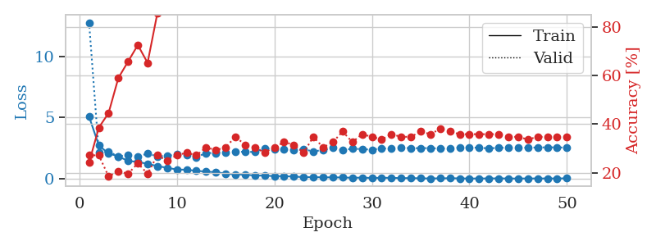
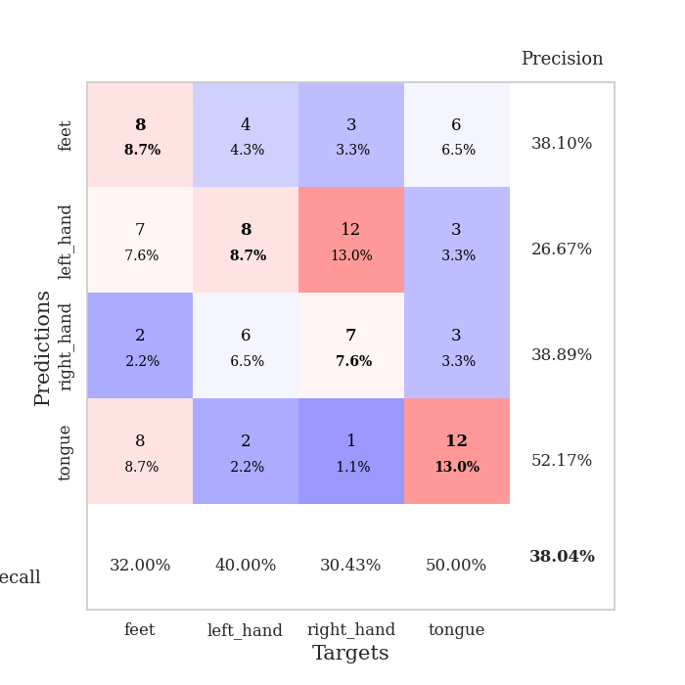
train_loss | valid_loss | train_accuracy | valid_accuracy | dur | train_misclass | valid_misclass
5.0830338312 | 12.751846313 | 0.24184782609 | 0.27173913043 | 0.11453914642 | 24.184782609 | 27.173913043
2.7292063029 | 2.152549215 | 0.38586956522 | 0.27173913043 | 0.094516515732 | 38.586956522 | 27.173913043
2.0793895255 | 2.2324037189 | 0.44565217391 | 0.1847826087 | 0.094383716583 | 44.565217391 | 18.47826087
1.8434491469 | 1.8339815658 | 0.58967391304 | 0.20652173913 | 0.10169291496 | 58.967391304 | 20.652173913
1.4613438482 | 1.9500348257 | 0.65760869565 | 0.19565217391 | 0.11056828499 | 65.760869565 | 19.565217391
1.3955044772 | 1.8523141042 | 0.72554347826 | 0.23913043478 | 0.10371661186 | 72.554347826 | 23.913043478
1.2258038676 | 2.0560014248 | 0.65217391304 | 0.19565217391 | 0.1050965786 | 65.217391304 | 19.565217391
1.0489901563 | 1.8448267553 | 0.85597826087 | 0.27173913043 | 0.10687828064 | 85.597826087 | 27.173913043
0.909724461 | 1.8741687277 | 0.8722826087 | 0.25 | 0.10391545296 | 87.22826087 | 25
0.76901130054 | 2.0224074644 | 0.91847826087 | 0.27173913043 | 0.10936903954 | 91.847826087 | 27.173913043
0.74818902171 | 1.9723489958 | 0.94565217391 | 0.28260869565 | 0.10698390007 | 94.565217391 | 28.260869565
0.66170088493 | 1.7730903781 | 0.95380434783 | 0.27173913043 | 0.105479002 | 95.380434783 | 27.173913043
0.59764926978 | 2.1172243875 | 0.9375 | 0.30434782609 | 0.1104888916 | 93.75 | 30.434782609
0.54771369501 | 2.1128547295 | 0.97010869565 | 0.29347826087 | 0.10296845436 | 97.010869565 | 29.347826087
0.43778151727 | 2.1737692874 | 0.98097826087 | 0.30434782609 | 0.1018102169 | 98.097826087 | 30.434782609
0.36986379261 | 2.2534608478 | 0.98369565217 | 0.34782608696 | 0.11296677589 | 98.369565217 | 34.782608696
0.35094088964 | 2.1995419575 | 0.99456521739 | 0.3152173913 | 0.10860991478 | 99.456521739 | 31.52173913
0.27529751153 | 2.2031134678 | 1 | 0.30434782609 | 0.10775303841 | 100 | 30.434782609
0.27243265834 | 2.5086714392 | 1 | 0.28260869565 | 0.10593795776 | 100 | 28.260869565
0.22722592351 | 2.4128740663 | 0.9972826087 | 0.30434782609 | 0.11270451546 | 99.72826087 | 30.434782609
0.22355680621 | 2.4211168704 | 0.9972826087 | 0.32608695652 | 0.10793280602 | 99.72826087 | 32.608695652
0.18981232267 | 2.3791702053 | 1 | 0.3152173913 | 0.1167383194 | 100 | 31.52173913
0.14779893341 | 2.4007719289 | 1 | 0.28260869565 | 0.1057972908 | 100 | 28.260869565
0.14579839243 | 2.250465647 | 1 | 0.34782608696 | 0.11016154289 | 100 | 34.782608696
0.13253949574 | 2.3534094354 | 1 | 0.30434782609 | 0.098890304565 | 100 | 30.434782609
0.12851258197 | 2.5267629623 | 1 | 0.32608695652 | 0.10560965538 | 100 | 32.608695652
0.11972182746 | 2.3351153032 | 1 | 0.36956521739 | 0.11019730568 | 100 | 36.956521739
0.095564088258 | 2.4681730219 | 1 | 0.32608695652 | 0.10324215889 | 100 | 32.608695652
0.10463880067 | 2.4305579092 | 1 | 0.35869565217 | 0.10461711884 | 100 | 35.869565217
0.080824168035 | 2.3862242284 | 1 | 0.34782608696 | 0.10874509811 | 100 | 34.782608696
0.089656322364 | 2.4885702548 | 1 | 0.33695652174 | 0.10875988007 | 100 | 33.695652174
0.092201940715 | 2.4760083116 | 1 | 0.35869565217 | 0.10745167732 | 100 | 35.869565217
0.061822988113 | 2.533585989 | 1 | 0.34782608696 | 0.11166071892 | 100 | 34.782608696
0.070401307317 | 2.510361122 | 1 | 0.34782608696 | 0.10915446281 | 100 | 34.782608696
0.047599237169 | 2.5076093155 | 1 | 0.36956521739 | 0.10905432701 | 100 | 36.956521739
0.037188467772 | 2.5183797816 | 1 | 0.35869565217 | 0.1107301712 | 100 | 35.869565217
0.047994656772 | 2.4687858198 | 1 | 0.38043478261 | 0.1013109684 | 100 | 38.043478261
0.0566488257 | 2.5211650548 | 1 | 0.36956521739 | 0.10914182663 | 100 | 36.956521739
0.045551211614 | 2.5657214496 | 1 | 0.35869565217 | 0.10851287842 | 100 | 35.869565217
0.031106870399 | 2.570442661 | 1 | 0.35869565217 | 0.10586619377 | 100 | 35.869565217
0.038023770382 | 2.538802235 | 1 | 0.35869565217 | 0.10916113853 | 100 | 35.869565217
0.037938321009 | 2.4936831153 | 1 | 0.35869565217 | 0.10511255264 | 100 | 35.869565217
0.045191755113 | 2.536691873 | 1 | 0.35869565217 | 0.10812568665 | 100 | 35.869565217
0.03381278293 | 2.5487837377 | 1 | 0.34782608696 | 0.10585784912 | 100 | 34.782608696
0.032716776771 | 2.5415747891 | 1 | 0.34782608696 | 0.10774993896 | 100 | 34.782608696
0.037728712651 | 2.555298572 | 1 | 0.33695652174 | 0.10788846016 | 100 | 33.695652174
0.037465954078 | 2.5626253823 | 1 | 0.34782608696 | 0.10888552666 | 100 | 34.782608696
0.038693267245 | 2.5800301925 | 1 | 0.34782608696 | 0.11594247818 | 100 | 34.782608696
0.034330353019 | 2.5705804773 | 1 | 0.34782608696 | 0.11433696747 | 100 | 34.782608696
0.050723349028 | 2.5543329042 | 1 | 0.34782608696 | 0.10758495331 | 100 | 34.782608696

Best Val accuracy is 0.3804347826086957 and Best test accuracy is 0.3879310344827586

Sheet9
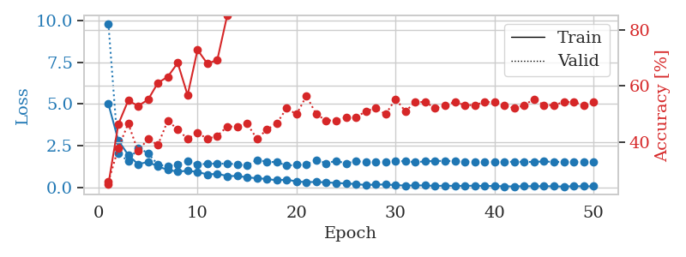
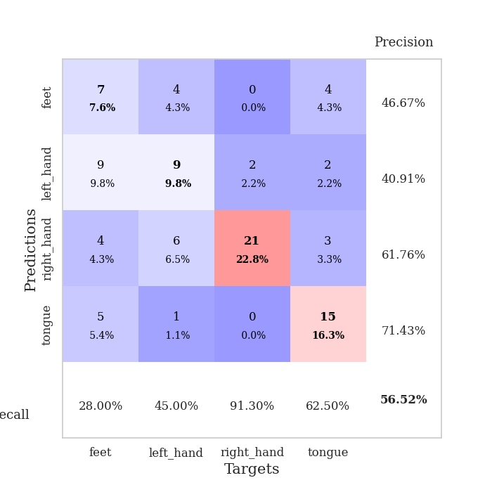
train_loss | valid_loss | train_accuracy | valid_accuracy | dur | train_misclass | valid_misclass
5.0012667957 | 9.8319986178 | 0.2527173913 | 0.26086956522 | 0.10771727562 | 25.27173913 | 26.086956522
2.8139168957 | 2.0497147726 | 0.46467391304 | 0.38043478261 | 0.10973834991 | 46.467391304 | 38.043478261
1.9449294598 | 1.5643948809 | 0.54891304348 | 0.46739130435 | 0.1085793972 | 54.891304348 | 46.739130435
1.3784837256 | 2.3665942835 | 0.52989130435 | 0.36956521739 | 0.1169462204 | 52.989130435 | 36.956521739
1.5254920566 | 2.0538363716 | 0.55163043478 | 0.41304347826 | 0.10707473755 | 55.163043478 | 41.304347826
1.2509883046 | 1.3555213835 | 0.61141304348 | 0.39130434783 | 0.11261415482 | 61.141304348 | 39.130434783
1.0427395961 | 1.277147148 | 0.63315217391 | 0.47826086957 | 0.10764431953 | 63.315217391 | 47.826086957
0.94251200945 | 1.3710423863 | 0.68206521739 | 0.44565217391 | 0.11344718933 | 68.206521739 | 44.565217391
0.98983096947 | 1.5693929766 | 0.56793478261 | 0.41304347826 | 0.1084446907 | 56.793478261 | 41.304347826
0.92084638969 | 1.3691963813 | 0.72826086957 | 0.4347826087 | 0.10322618484 | 72.826086957 | 43.47826087
0.76605819101 | 1.4125306295 | 0.67934782609 | 0.41304347826 | 0.10585021973 | 67.934782609 | 41.304347826
0.81094199808 | 1.4221501791 | 0.69293478261 | 0.42391304348 | 0.10227823257 | 69.293478261 | 42.391304348
0.67059615254 | 1.4104022617 | 0.85054347826 | 0.45652173913 | 0.10432267189 | 85.054347826 | 45.652173913
0.67739223009 | 1.3908268343 | 0.8777173913 | 0.45652173913 | 0.10818529129 | 87.77173913 | 45.652173913
0.59645138227 | 1.2961776904 | 0.91032608696 | 0.46739130435 | 0.10405683517 | 91.032608696 | 46.739130435
0.53985694116 | 1.6497862287 | 0.8722826087 | 0.41304347826 | 0.10646414757 | 87.22826087 | 41.304347826
0.49982237816 | 1.5259471717 | 0.90217391304 | 0.44565217391 | 0.10524296761 | 90.217391304 | 44.565217391
0.41558466981 | 1.5121872321 | 0.91032608696 | 0.46739130435 | 0.10655879974 | 91.032608696 | 46.739130435
0.46237730721 | 1.3036725327 | 0.94565217391 | 0.52173913043 | 0.10837674141 | 94.565217391 | 52.173913043
0.34338498375 | 1.3423637204 | 0.98097826087 | 0.5 | 0.10900568962 | 98.097826087 | 50
0.31193585694 | 1.3673840087 | 0.99456521739 | 0.5652173913 | 0.10175013542 | 99.456521739 | 56.52173913
0.31539466459 | 1.6360016025 | 0.98369565217 | 0.5 | 0.11541581154 | 98.369565217 | 50
0.29557565211 | 1.4431660486 | 0.99456521739 | 0.47826086957 | 0.10395693779 | 99.456521739 | 47.826086957
0.25416180783 | 1.5841048593 | 1 | 0.47826086957 | 0.10466337204 | 100 | 47.826086957
0.23187519934 | 1.4364986342 | 0.98641304348 | 0.48913043478 | 0.10525512695 | 98.641304348 | 48.913043478
0.18937982522 | 1.5591278594 | 0.9972826087 | 0.48913043478 | 0.10592532158 | 99.72826087 | 48.913043478
0.1331086737 | 1.5293249617 | 1 | 0.51086956522 | 0.10679078102 | 100 | 51.086956522
0.16334107032 | 1.5183609439 | 1 | 0.52173913043 | 0.11165046692 | 100 | 52.173913043
0.16326671353 | 1.5002532524 | 1 | 0.5 | 0.10915827751 | 100 | 50
0.13000654057 | 1.5753987639 | 1 | 0.55434782609 | 0.10564160347 | 100 | 55.434782609
0.098445360022 | 1.564298565 | 1 | 0.51086956522 | 0.10995268822 | 100 | 51.086956522
0.11062159292 | 1.5046930417 | 1 | 0.54347826087 | 0.10854077339 | 100 | 54.347826087
0.10786136094 | 1.5565372654 | 1 | 0.54347826087 | 0.1100730896 | 100 | 54.347826087
0.078257266918 | 1.5807384926 | 1 | 0.52173913043 | 0.10435056686 | 100 | 52.173913043
0.094358369384 | 1.5810049643 | 1 | 0.53260869565 | 0.10701155663 | 100 | 53.260869565
0.079706005671 | 1.5695518437 | 1 | 0.54347826087 | 0.10783410072 | 100 | 54.347826087
0.083785247301 | 1.5451194722 | 1 | 0.53260869565 | 0.10760903358 | 100 | 53.260869565
0.092914009224 | 1.5369653494 | 1 | 0.53260869565 | 0.10205554962 | 100 | 53.260869565
0.072528863326 | 1.5337613847 | 1 | 0.54347826087 | 0.10704374313 | 100 | 54.347826087
0.076702059166 | 1.5260784341 | 1 | 0.54347826087 | 0.10832071304 | 100 | 54.347826087
0.054510253198 | 1.5125845645 | 1 | 0.53260869565 | 0.10779309273 | 100 | 53.260869565
0.050408736438 | 1.5411514795 | 1 | 0.52173913043 | 0.10409259796 | 100 | 52.173913043
0.064544865214 | 1.5180278991 | 1 | 0.53260869565 | 0.11333799362 | 100 | 53.260869565
0.058489966449 | 1.5282563101 | 1 | 0.55434782609 | 0.10759329796 | 100 | 55.434782609
0.063703810189 | 1.5482173718 | 1 | 0.53260869565 | 0.10789752007 | 100 | 53.260869565
0.05470059559 | 1.5218806966 | 1 | 0.53260869565 | 0.098107814789 | 100 | 53.260869565
0.0420969753 | 1.5247739709 | 1 | 0.54347826087 | 0.11323285103 | 100 | 54.347826087
0.063774922134 | 1.5265493004 | 1 | 0.54347826087 | 0.10720181465 | 100 | 54.347826087
0.056229428915 | 1.5449508869 | 1 | 0.53260869565 | 0.10893988609 | 100 | 53.260869565
0.056350164115 | 1.5437559537 | 1 | 0.54347826087 | 0.10545563698 | 100 | 54.347826087

Best Val accuracy is 0.5652173913043478 and Best test accuracy is 0.5258620689655172

Sheet10
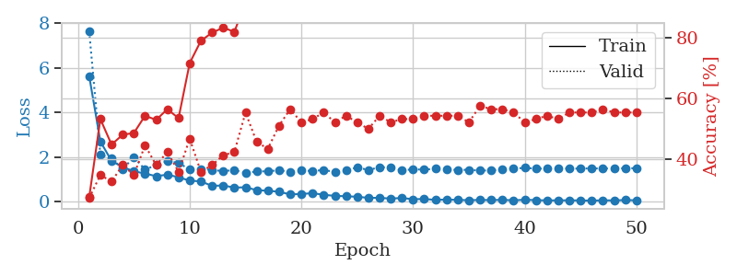
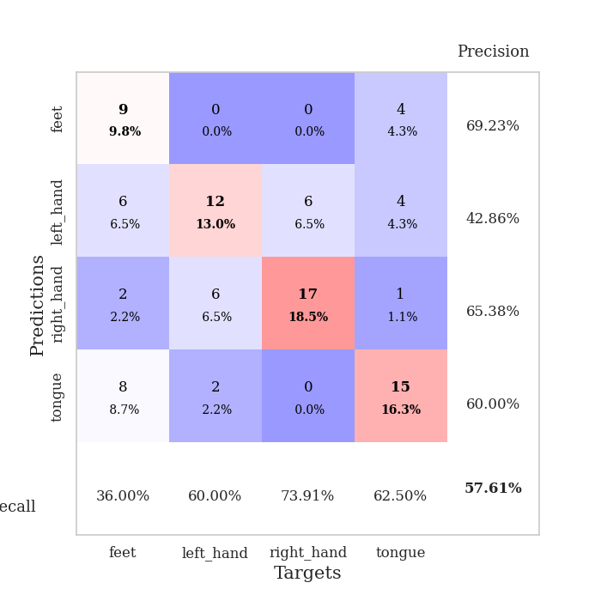
train_loss | valid_loss | train_accuracy | valid_accuracy | dur | train_misclass | valid_misclass
5.6246579004 | 7.6246990328 | 0.27445652174 | 0.27173913043 | 0.10195708275 | 27.445652174 | 27.173913043
2.7032380519 | 2.1205067427 | 0.53260869565 | 0.34782608696 | 0.10807180405 | 53.260869565 | 34.782608696
1.8332578203 | 1.9343788313 | 0.44836956522 | 0.32608695652 | 0.10852265358 | 44.836956522 | 32.608695652
1.55844889 | 1.474940243 | 0.48097826087 | 0.38043478261 | 0.10970425606 | 48.097826087 | 38.043478261
1.367041422 | 1.9923022985 | 0.48641304348 | 0.34782608696 | 0.10819911957 | 48.641304348 | 34.782608696
1.2682861401 | 1.448017662 | 0.54347826087 | 0.44565217391 | 0.10574698448 | 54.347826087 | 44.565217391
1.149027998 | 1.6448229344 | 0.52989130435 | 0.38043478261 | 0.10737586021 | 52.989130435 | 38.043478261
1.2190079741 | 1.8166874647 | 0.5652173913 | 0.42391304348 | 0.11203718185 | 56.52173913 | 42.391304348
1.1016680546 | 1.7497021271 | 0.53532608696 | 0.35869565217 | 0.11006045341 | 53.532608696 | 35.869565217
0.94905448997 | 1.4411431784 | 0.71739130435 | 0.46739130435 | 0.11041975021 | 71.739130435 | 46.739130435
0.91861346753 | 1.463155959 | 0.79076086957 | 0.35869565217 | 0.10631275177 | 79.076086957 | 35.869565217
0.71394134086 | 1.4352152037 | 0.81793478261 | 0.38043478261 | 0.11025881767 | 81.793478261 | 38.043478261
0.73710356718 | 1.3686375696 | 0.83423913043 | 0.41304347826 | 0.10734558105 | 83.423913043 | 41.304347826
0.63719463996 | 1.4334885815 | 0.82065217391 | 0.42391304348 | 0.10945010185 | 82.065217391 | 42.391304348
0.65461839023 | 1.2846482811 | 0.91847826087 | 0.55434782609 | 0.10662317276 | 91.847826087 | 55.434782609
0.52474601567 | 1.3678979044 | 0.93206521739 | 0.45652173913 | 0.10592794418 | 93.206521739 | 45.652173913
0.49845111888 | 1.3638787736 | 0.97554347826 | 0.4347826087 | 0.10201644897 | 97.554347826 | 43.47826087
0.45407038992 | 1.420345607 | 0.95923913043 | 0.51086956522 | 0.11071443558 | 95.923913043 | 51.086956522
0.33408369772 | 1.3373550954 | 0.95923913043 | 0.5652173913 | 0.10423207283 | 95.923913043 | 56.52173913
0.35500001778 | 1.4060144684 | 0.97282608696 | 0.52173913043 | 0.10906457901 | 97.282608696 | 52.173913043
0.38850045075 | 1.3804341736 | 0.98913043478 | 0.53260869565 | 0.1129026413 | 98.913043478 | 53.260869565
0.3198259421 | 1.4240904735 | 0.98641304348 | 0.55434782609 | 0.10738945007 | 98.641304348 | 55.434782609
0.2674803669 | 1.3420212217 | 0.9972826087 | 0.52173913043 | 0.10258626938 | 99.72826087 | 52.173913043
0.25368089423 | 1.4247739885 | 1 | 0.54347826087 | 0.1084690094 | 100 | 54.347826087
0.22779579947 | 1.5353045723 | 0.9972826087 | 0.52173913043 | 0.10831594467 | 99.72826087 | 52.173913043
0.18235887223 | 1.4297855263 | 1 | 0.5 | 0.10964941978 | 100 | 50
0.17952150463 | 1.547464223 | 1 | 0.54347826087 | 0.10929369926 | 100 | 54.347826087
0.14895127568 | 1.5424158936 | 1 | 0.52173913043 | 0.10513925552 | 100 | 52.173913043
0.17393816376 | 1.4069825722 | 1 | 0.53260869565 | 0.10648131371 | 100 | 53.260869565
0.12024203915 | 1.4590356324 | 1 | 0.53260869565 | 0.10590553284 | 100 | 53.260869565
0.12942324482 | 1.4409994924 | 1 | 0.54347826087 | 0.10739350319 | 100 | 54.347826087
0.090670089278 | 1.4826424536 | 1 | 0.54347826087 | 0.10602021217 | 100 | 54.347826087
0.10446238493 | 1.4410234016 | 1 | 0.54347826087 | 0.10177612305 | 100 | 54.347826087
0.089382258608 | 1.4297832976 | 1 | 0.54347826087 | 0.10826206207 | 100 | 54.347826087
0.07512259046 | 1.4340944187 | 1 | 0.52173913043 | 0.11087298393 | 100 | 52.173913043
0.087771090679 | 1.3984535207 | 1 | 0.57608695652 | 0.10808038712 | 100 | 57.608695652
0.080414732108 | 1.4104203608 | 1 | 0.5652173913 | 0.10914921761 | 100 | 56.52173913
0.092963465125 | 1.4488642734 | 1 | 0.5652173913 | 0.10806870461 | 100 | 56.52173913
0.069011758082 | 1.4819483913 | 1 | 0.55434782609 | 0.10526704788 | 100 | 55.434782609
0.096868963183 | 1.5238923405 | 1 | 0.52173913043 | 0.10535931587 | 100 | 52.173913043
0.078560152456 | 1.4854857092 | 1 | 0.53260869565 | 0.10784721375 | 100 | 53.260869565
0.066706077722 | 1.4891029441 | 1 | 0.54347826087 | 0.099961042404 | 100 | 54.347826087
0.068601330378 | 1.4980958182 | 1 | 0.53260869565 | 0.11070251465 | 100 | 53.260869565
0.071121879205 | 1.4876208616 | 1 | 0.55434782609 | 0.10091042519 | 100 | 55.434782609
0.064930073755 | 1.4906536082 | 1 | 0.55434782609 | 0.10238552094 | 100 | 55.434782609
0.057135052169 | 1.4979705396 | 1 | 0.55434782609 | 0.10725092888 | 100 | 55.434782609
0.071153763682 | 1.4925565046 | 1 | 0.5652173913 | 0.11118292809 | 100 | 56.52173913
0.065044443447 | 1.4998005214 | 1 | 0.55434782609 | 0.10147762299 | 100 | 55.434782609
0.083675718299 | 1.4985326529 | 1 | 0.55434782609 | 0.10495591164 | 100 | 55.434782609
0.069538825475 | 1.5079044415 | 1 | 0.55434782609 | 0.10682272911 | 100 | 55.434782609

Best Val accuracy is 0.5760869565217391 and Best test accuracy is 0.5603448275862069

