Sheet
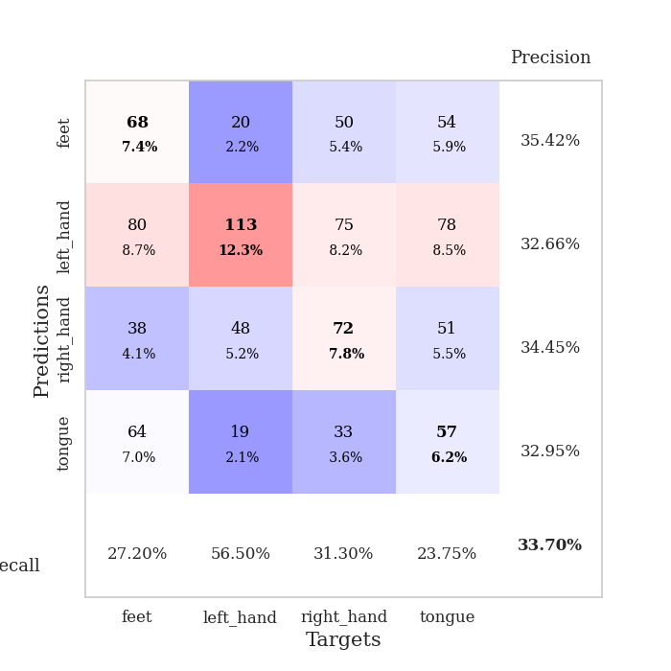
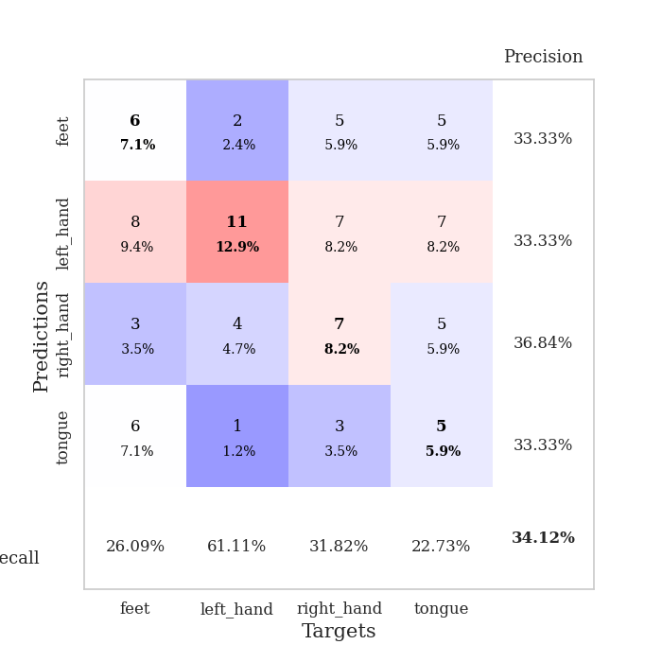
best_val_acc | best_val_los | best_test_acc
0.3152173913 | 1.6041140142 | 0.25862068966
0.33695652174 | 1.5335376211 | 0.3275862069
0.34782608696 | 1.5847403692 | 0.29310344828
0.32608695652 | 1.4876094901 | 0.26724137931
0.3152173913 | 1.5311257528 | 0.27586206897
0.36956521739 | 1.5151756587 | 0.31896551724
0.35869565217 | 1.542797752 | 0.23275862069
0.33695652174 | 1.6146608073 | 0.26724137931
0.33695652174 | 1.5412615486 | 0.28448275862
0.32608695652 | 1.6071338705 | 0.25862068966

Mean,std Val accuracy is 0.33695652173913043 , 0.01774992567234186 and mean, std test accuracy is 0.27844827586206894 , 0.028749996409840835

Sheet1
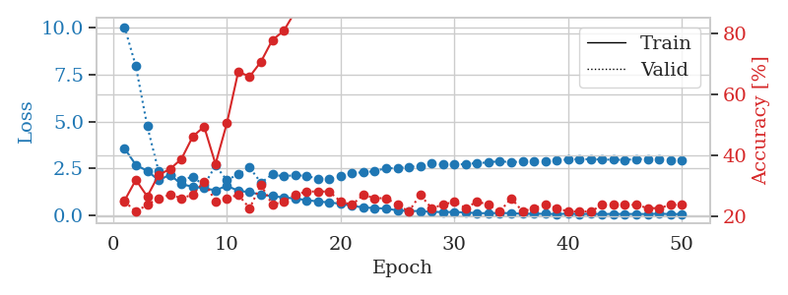
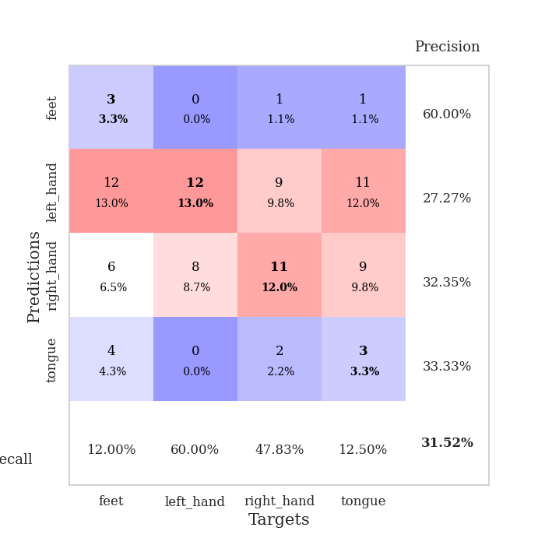
train_loss | valid_loss | train_accuracy | valid_accuracy | dur | train_misclass | valid_misclass
3.5640896922 | 10.042770489 | 0.2527173913 | 0.25 | 0.11634874344 | 25.27173913 | 25
2.682332863 | 7.9504899253 | 0.32065217391 | 0.21739130435 | 0.1136610508 | 32.065217391 | 21.739130435
2.3642176545 | 4.7486632233 | 0.26630434783 | 0.23913043478 | 0.10950827599 | 26.630434783 | 23.913043478
1.8674422606 | 2.3365025935 | 0.33695652174 | 0.26086956522 | 0.10788798332 | 33.695652174 | 26.086956522
2.1597905263 | 2.1178503036 | 0.35597826087 | 0.27173913043 | 0.10935974121 | 35.597826087 | 27.173913043
1.6532360263 | 1.9052396183 | 0.38858695652 | 0.26086956522 | 0.11368632317 | 38.858695652 | 26.086956522
1.5210205213 | 2.0350038642 | 0.46195652174 | 0.27173913043 | 0.10481262207 | 46.195652174 | 27.173913043
1.4392200553 | 1.6041140142 | 0.49456521739 | 0.3152173913 | 0.10562133789 | 49.456521739 | 31.52173913
1.3263730692 | 2.6417935672 | 0.3722826087 | 0.25 | 0.10883951187 | 37.22826087 | 25
1.5656839039 | 1.8691632903 | 0.50543478261 | 0.26086956522 | 0.11207890511 | 50.543478261 | 26.086956522
1.3058523795 | 2.1848324123 | 0.67391304348 | 0.27173913043 | 0.10362100601 | 67.391304348 | 27.173913043
1.2258929196 | 2.5430895349 | 0.65760869565 | 0.22826086957 | 0.10712623596 | 65.760869565 | 22.826086957
1.0961111991 | 1.7300845851 | 0.70652173913 | 0.30434782609 | 0.10731720924 | 70.652173913 | 30.434782609
1.015027409 | 2.1815170775 | 0.77717391304 | 0.23913043478 | 0.10720062256 | 77.717391304 | 23.913043478
0.94806295633 | 2.0651706198 | 0.80706521739 | 0.25 | 0.1139793396 | 80.706521739 | 25
0.88868613347 | 2.1464309589 | 0.86956521739 | 0.27173913043 | 0.10968995094 | 86.956521739 | 27.173913043
0.80338433514 | 2.0885128664 | 0.91304347826 | 0.28260869565 | 0.10817217827 | 91.304347826 | 28.260869565
0.73300228559 | 1.9576741664 | 0.94836956522 | 0.28260869565 | 0.10394358635 | 94.836956522 | 28.260869565
0.68037875061 | 1.9200122408 | 0.95380434783 | 0.28260869565 | 0.10406184196 | 95.380434783 | 28.260869565
0.60920826249 | 2.0907624027 | 0.97282608696 | 0.25 | 0.11205172539 | 97.282608696 | 25
0.50359596766 | 2.2272002593 | 0.98913043478 | 0.23913043478 | 0.10815000534 | 98.913043478 | 23.913043478
0.40999717557 | 2.2996082202 | 0.99456521739 | 0.27173913043 | 0.10802340508 | 99.456521739 | 27.173913043
0.38229508633 | 2.3464754561 | 0.9972826087 | 0.26086956522 | 0.103317976 | 99.72826087 | 26.086956522
0.35118738108 | 2.5136461673 | 0.9972826087 | 0.26086956522 | 0.10845923424 | 99.72826087 | 26.086956522
0.25427570874 | 2.5038979779 | 1 | 0.23913043478 | 0.1088142395 | 100 | 23.913043478
0.22629579221 | 2.5847964028 | 0.9972826087 | 0.21739130435 | 0.10745334625 | 99.72826087 | 21.739130435
0.21825746738 | 2.6090031396 | 1 | 0.27173913043 | 0.10692715645 | 100 | 27.173913043
0.17683178737 | 2.7476745274 | 1 | 0.22826086957 | 0.11002397537 | 100 | 22.826086957
0.16732142687 | 2.7067442251 | 1 | 0.23913043478 | 0.1107199192 | 100 | 23.913043478
0.16886465057 | 2.7028669171 | 1 | 0.25 | 0.10708284378 | 100 | 25
0.14654845777 | 2.7271356064 | 1 | 0.22826086957 | 0.10835981369 | 100 | 22.826086957
0.10710686494 | 2.7851688033 | 1 | 0.25 | 0.11071372032 | 100 | 25
0.10760096866 | 2.8134773192 | 1 | 0.23913043478 | 0.10909557343 | 100 | 23.913043478
0.11488759923 | 2.8929898946 | 1 | 0.21739130435 | 0.10267901421 | 100 | 21.739130435
0.10896132951 | 2.8084553843 | 1 | 0.26086956522 | 0.10507011414 | 100 | 26.086956522
0.070515241312 | 2.8903843009 | 1 | 0.21739130435 | 0.10786437988 | 100 | 21.739130435
0.075084485923 | 2.8826498052 | 1 | 0.22826086957 | 0.10846304893 | 100 | 22.826086957
0.074049678996 | 2.8902900219 | 1 | 0.23913043478 | 0.11127781868 | 100 | 23.913043478
0.059345569178 | 2.9218495721 | 1 | 0.22826086957 | 0.10837602615 | 100 | 22.826086957
0.080600787602 | 2.9754912646 | 1 | 0.21739130435 | 0.10832262039 | 100 | 21.739130435
0.059523143036 | 2.992946915 | 1 | 0.21739130435 | 0.10932540894 | 100 | 21.739130435
0.070712739116 | 2.9883778303 | 1 | 0.21739130435 | 0.10563468933 | 100 | 21.739130435
0.060424938069 | 2.9688069302 | 1 | 0.23913043478 | 0.1081867218 | 100 | 23.913043478
0.067542901344 | 2.9641795055 | 1 | 0.23913043478 | 0.11070919037 | 100 | 23.913043478
0.060563204648 | 2.9509192757 | 1 | 0.23913043478 | 0.10807776451 | 100 | 23.913043478
0.065989536922 | 2.9921535513 | 1 | 0.23913043478 | 0.1114449501 | 100 | 23.913043478
0.058730914784 | 3.0058593439 | 1 | 0.22826086957 | 0.10468626022 | 100 | 22.826086957
0.080015546561 | 2.9797320988 | 1 | 0.22826086957 | 0.10362887383 | 100 | 22.826086957
0.056759909079 | 2.9541621001 | 1 | 0.23913043478 | 0.10726118088 | 100 | 23.913043478
0.061930394853 | 2.951115857 | 1 | 0.23913043478 | 0.10484600067 | 100 | 23.913043478

Best Val accuracy is 0.31521739130434784 and Best test accuracy is 0.25862068965517243

Sheet2
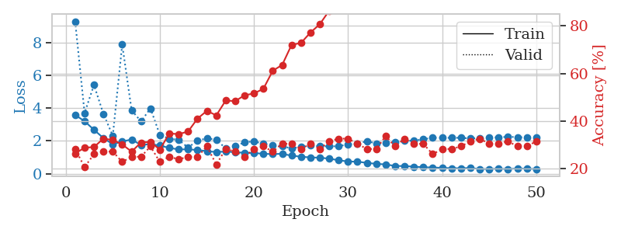
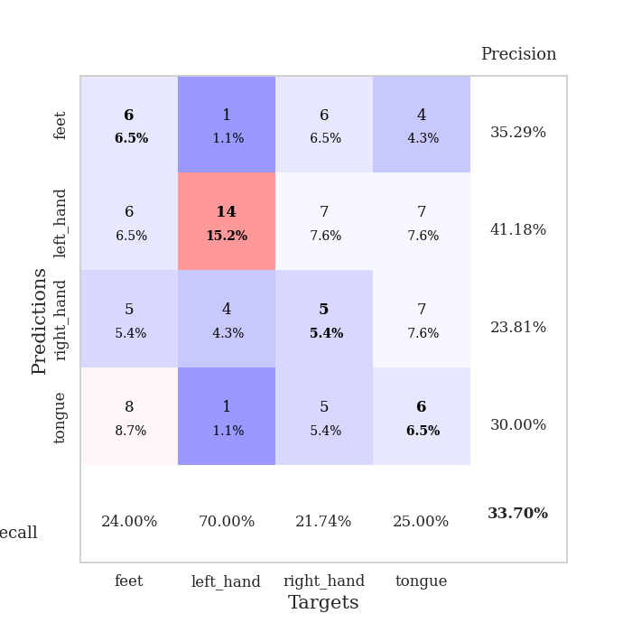
train_loss | valid_loss | train_accuracy | valid_accuracy | dur | train_misclass | valid_misclass
3.5847970092 | 9.2895447897 | 0.26358695652 | 0.28260869565 | 0.10527706146 | 26.358695652 | 28.260869565
3.2047269085 | 3.7039904128 | 0.28804347826 | 0.20652173913 | 0.10490202904 | 28.804347826 | 20.652173913
2.67994026 | 5.4140454634 | 0.29076086957 | 0.26086956522 | 0.11633682251 | 29.076086957 | 26.086956522
2.178798038 | 3.6521640031 | 0.32608695652 | 0.27173913043 | 0.10573935509 | 32.608695652 | 27.173913043
1.797839512 | 2.3133457795 | 0.32065217391 | 0.27173913043 | 0.10354185104 | 32.065217391 | 27.173913043
1.9668841725 | 7.8804465377 | 0.30163043478 | 0.22826086957 | 0.10321545601 | 30.163043478 | 22.826086957
2.092640882 | 3.8722864182 | 0.27173913043 | 0.25 | 0.10351610184 | 27.173913043 | 25
1.749721496 | 3.1900779631 | 0.3097826087 | 0.25 | 0.11085367203 | 30.97826087 | 25
1.8113900527 | 3.9858352205 | 0.3125 | 0.29347826087 | 0.11524701118 | 31.25 | 29.347826087
1.7204026398 | 2.3783353308 | 0.27989130435 | 0.22826086957 | 0.10477852821 | 27.989130435 | 22.826086957
1.5760840696 | 2.1344062401 | 0.34782608696 | 0.25 | 0.1127910614 | 34.782608696 | 25
1.486701079 | 2.0697052582 | 0.34510869565 | 0.23913043478 | 0.10469484329 | 34.510869565 | 23.913043478
1.4885279251 | 1.5921056841 | 0.35597826087 | 0.25 | 0.10889029503 | 35.597826087 | 25
1.4514889562 | 2.0328966483 | 0.41032608696 | 0.25 | 0.10586309433 | 41.032608696 | 25
1.3783372174 | 2.1511806042 | 0.44293478261 | 0.29347826087 | 0.11326217651 | 44.293478261 | 29.347826087
1.3257582032 | 2.0863625848 | 0.42391304348 | 0.21739130435 | 0.10702228546 | 42.391304348 | 21.739130435
1.3570435565 | 1.5411966676 | 0.48641304348 | 0.28260869565 | 0.10712146759 | 48.641304348 | 28.260869565
1.3127191741 | 1.689492122 | 0.48369565217 | 0.27173913043 | 0.10522794724 | 48.369565217 | 27.173913043
1.2811308374 | 1.9133143477 | 0.50815217391 | 0.25 | 0.10553336143 | 50.815217391 | 25
1.2654686492 | 1.9799346924 | 0.51630434783 | 0.28260869565 | 0.10816335678 | 51.630434783 | 28.260869565
1.2177658703 | 1.8238155997 | 0.53532608696 | 0.29347826087 | 0.10447955132 | 53.532608696 | 29.347826087
1.2005792286 | 1.7284543255 | 0.61141304348 | 0.27173913043 | 0.10398650169 | 61.141304348 | 27.173913043
1.2180265707 | 1.6911466174 | 0.63586956522 | 0.30434782609 | 0.10407519341 | 63.586956522 | 30.434782609
1.1026997177 | 1.5335376211 | 0.72010869565 | 0.30434782609 | 0.10862398148 | 72.010869565 | 30.434782609
1.0442644513 | 1.6574908702 | 0.72826086957 | 0.28260869565 | 0.11090683937 | 72.826086957 | 28.260869565
0.99468307132 | 1.7272969743 | 0.77173913043 | 0.30434782609 | 0.10525393486 | 77.173913043 | 30.434782609
0.98256835471 | 1.6703035158 | 0.80706521739 | 0.28260869565 | 0.1026468277 | 80.706521739 | 28.260869565
0.92232956316 | 1.6762035204 | 0.86413043478 | 0.3152173913 | 0.1079788208 | 86.413043478 | 31.52173913
0.82654759158 | 1.6753161109 | 0.89945652174 | 0.32608695652 | 0.10831189156 | 89.945652174 | 32.608695652
0.74770761314 | 1.7982752064 | 0.9375 | 0.32608695652 | 0.10949683189 | 93.75 | 32.608695652
0.73818874359 | 1.8131833232 | 0.91847826087 | 0.30434782609 | 0.10664081573 | 91.847826087 | 30.434782609
0.66603850282 | 1.9938937892 | 0.97010869565 | 0.28260869565 | 0.11497473717 | 97.010869565 | 28.260869565
0.6060850711 | 1.8443836803 | 0.97826086957 | 0.28260869565 | 0.10727596283 | 97.826086957 | 28.260869565
0.5707207659 | 1.8834399451 | 0.97282608696 | 0.33695652174 | 0.11135196686 | 97.282608696 | 33.695652174
0.47778498479 | 1.9399244319 | 0.98913043478 | 0.29347826087 | 0.11331987381 | 98.913043478 | 29.347826087
0.47225067991 | 2.0090663329 | 0.99456521739 | 0.32608695652 | 0.10738420486 | 99.456521739 | 32.608695652
0.43479183511 | 2.0231764524 | 0.99456521739 | 0.30434782609 | 0.10373878479 | 99.456521739 | 30.434782609
0.40006330674 | 2.1015002624 | 0.99456521739 | 0.30434782609 | 0.10751342773 | 99.456521739 | 30.434782609
0.38353383217 | 2.1982276647 | 0.9972826087 | 0.26086956522 | 0.10797762871 | 99.72826087 | 26.086956522
0.36165066063 | 2.1925263612 | 0.9972826087 | 0.28260869565 | 0.10362768173 | 99.72826087 | 28.260869565
0.33900246607 | 2.1918482573 | 0.9972826087 | 0.28260869565 | 0.10459423065 | 99.72826087 | 28.260869565
0.33780641141 | 2.1923841497 | 0.9972826087 | 0.29347826087 | 0.11071586609 | 99.72826087 | 29.347826087
0.35079458485 | 2.1523198874 | 0.9972826087 | 0.3152173913 | 0.1066505909 | 99.72826087 | 31.52173913
0.28896002342 | 2.1876470628 | 0.9972826087 | 0.32608695652 | 0.10621833801 | 99.72826087 | 32.608695652
0.2935567576 | 2.2102470087 | 0.9972826087 | 0.30434782609 | 0.10690951347 | 99.72826087 | 30.434782609
0.30925018438 | 2.2227807667 | 0.9972826087 | 0.30434782609 | 0.1117503643 | 99.72826087 | 30.434782609
0.28429795866 | 2.2522388541 | 0.9972826087 | 0.3152173913 | 0.10899329185 | 99.72826087 | 31.52173913
0.32751384183 | 2.2361458695 | 0.9972826087 | 0.29347826087 | 0.10745763779 | 99.72826087 | 29.347826087
0.30289676462 | 2.2098946675 | 0.9972826087 | 0.29347826087 | 0.10790300369 | 99.72826087 | 29.347826087
0.29542643512 | 2.2298644626 | 0.9972826087 | 0.3152173913 | 0.10683774948 | 99.72826087 | 31.52173913

Best Val accuracy is 0.33695652173913043 and Best test accuracy is 0.3275862068965517

Sheet3
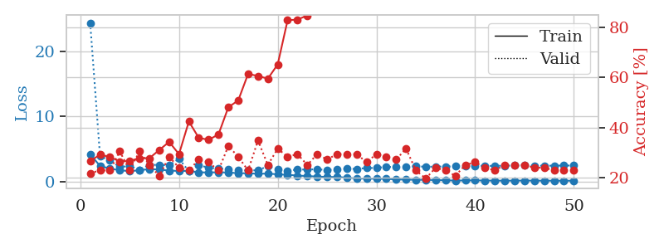
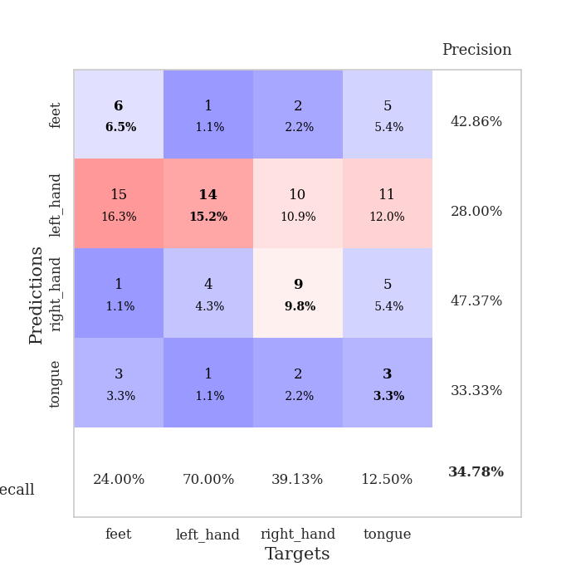
train_loss | valid_loss | train_accuracy | valid_accuracy | dur | train_misclass | valid_misclass
4.1915009903 | 24.354416806 | 0.26630434783 | 0.21739130435 | 0.10840916634 | 26.630434783 | 21.739130435
2.4088250243 | 3.9141814139 | 0.29076086957 | 0.22826086957 | 0.10459542274 | 29.076086957 | 22.826086957
1.9873628565 | 3.2389458211 | 0.28260869565 | 0.22826086957 | 0.10919117928 | 28.260869565 | 22.826086957
1.7585094545 | 2.2407720763 | 0.26358695652 | 0.30434782609 | 0.11105442047 | 26.358695652 | 30.434782609
1.5945017649 | 2.3870215468 | 0.26630434783 | 0.22826086957 | 0.10865402222 | 26.630434783 | 22.826086957
1.7524735357 | 1.8095004299 | 0.27717391304 | 0.30434782609 | 0.10723996162 | 27.717391304 | 30.434782609
1.9231442109 | 2.5577142809 | 0.27717391304 | 0.25 | 0.10122013092 | 27.717391304 | 25
1.8584324277 | 2.582695168 | 0.3097826087 | 0.20652173913 | 0.11617851257 | 30.97826087 | 20.652173913
1.6909083594 | 2.4909739235 | 0.34239130435 | 0.28260869565 | 0.10740590096 | 34.239130435 | 28.260869565
1.6382386477 | 3.5110662709 | 0.29347826087 | 0.23913043478 | 0.11326313019 | 29.347826087 | 23.913043478
1.6464218782 | 1.5847403692 | 0.42391304348 | 0.22826086957 | 0.10657954216 | 42.391304348 | 22.826086957
1.4200141534 | 2.5699528559 | 0.35869565217 | 0.27173913043 | 0.10842752457 | 35.869565217 | 27.173913043
1.4133311666 | 2.0942502644 | 0.35054347826 | 0.26086956522 | 0.1119325161 | 35.054347826 | 26.086956522
1.4310035343 | 2.0530298689 | 0.3722826087 | 0.22826086957 | 0.10869932175 | 37.22826087 | 22.826086957
1.4027294076 | 1.8648994332 | 0.48097826087 | 0.32608695652 | 0.10823559761 | 48.097826087 | 32.608695652
1.2875429962 | 1.7445002639 | 0.50815217391 | 0.28260869565 | 0.1049451828 | 50.815217391 | 28.260869565
1.2844077452 | 1.7158989647 | 0.61413043478 | 0.22826086957 | 0.10759735107 | 61.413043478 | 22.826086957
1.2026017334 | 1.7401747082 | 0.60597826087 | 0.34782608696 | 0.10885238647 | 60.597826087 | 34.782608696
1.2335724053 | 2.3693650028 | 0.59510869565 | 0.25 | 0.10920453072 | 59.510869565 | 25
1.1175588706 | 1.8365620271 | 0.65217391304 | 0.3152173913 | 0.10864663124 | 65.217391304 | 31.52173913
1.0535830026 | 1.6623794307 | 0.82880434783 | 0.28260869565 | 0.11005520821 | 82.880434783 | 28.260869565
0.9255501602 | 1.8573958407 | 0.83152173913 | 0.29347826087 | 0.10804319382 | 83.152173913 | 29.347826087
0.85521266512 | 1.8472864731 | 0.84782608696 | 0.25 | 0.10805630684 | 84.782608696 | 25
0.77478270168 | 1.8896237353 | 0.88858695652 | 0.29347826087 | 0.11030673981 | 88.858695652 | 29.347826087
0.71363579579 | 1.778322111 | 0.93206521739 | 0.27173913043 | 0.10490918159 | 93.206521739 | 27.173913043
0.70548904849 | 1.8945163229 | 0.95108695652 | 0.29347826087 | 0.11158871651 | 95.108695652 | 29.347826087
0.61051564631 | 1.9590237296 | 0.97554347826 | 0.29347826087 | 0.10794973373 | 97.554347826 | 29.347826087
0.47770127654 | 1.9480713295 | 0.98641304348 | 0.29347826087 | 0.10671281815 | 98.641304348 | 29.347826087
0.47224172172 | 2.0872914998 | 0.98641304348 | 0.26086956522 | 0.10810899734 | 98.641304348 | 26.086956522
0.43995803724 | 2.0924374383 | 0.98913043478 | 0.29347826087 | 0.10805058479 | 98.913043478 | 29.347826087
0.4280902536 | 2.2719905584 | 0.99184782609 | 0.28260869565 | 0.11190724373 | 99.184782609 | 28.260869565
0.32985442877 | 2.2185005209 | 0.9972826087 | 0.27173913043 | 0.10339999199 | 99.72826087 | 27.173913043
0.30922629069 | 2.247412298 | 1 | 0.3152173913 | 0.10396051407 | 100 | 31.52173913
0.27971622218 | 2.3824487873 | 1 | 0.22826086957 | 0.10938024521 | 100 | 22.826086957
0.27604293435 | 2.2604539187 | 1 | 0.19565217391 | 0.1047501564 | 100 | 19.565217391
0.23269156302 | 2.317657253 | 1 | 0.23913043478 | 0.11249899864 | 100 | 23.913043478
0.20924165391 | 2.3222070259 | 1 | 0.22826086957 | 0.10872817039 | 100 | 22.826086957
0.16050185976 | 2.350169669 | 1 | 0.20652173913 | 0.1062412262 | 100 | 20.652173913
0.18446889746 | 2.4512354084 | 1 | 0.25 | 0.10898113251 | 100 | 25
0.19047625849 | 2.444872597 | 1 | 0.26086956522 | 0.10310816765 | 100 | 26.086956522
0.16680185869 | 2.4037393694 | 1 | 0.23913043478 | 0.10809540749 | 100 | 23.913043478
0.15431494671 | 2.4242390239 | 1 | 0.22826086957 | 0.10754013062 | 100 | 22.826086957
0.1468212245 | 2.4331988148 | 1 | 0.25 | 0.10285162926 | 100 | 25
0.15218307564 | 2.474001843 | 1 | 0.25 | 0.11405086517 | 100 | 25
0.16230547784 | 2.4616690822 | 1 | 0.25 | 0.10707759857 | 100 | 25
0.15233143192 | 2.4502982057 | 1 | 0.23913043478 | 0.10811805725 | 100 | 23.913043478
0.14425943954 | 2.4363349106 | 1 | 0.23913043478 | 0.10211443901 | 100 | 23.913043478
0.14520340526 | 2.4507279085 | 1 | 0.22826086957 | 0.10529136658 | 100 | 22.826086957
0.14242772758 | 2.4625465041 | 1 | 0.22826086957 | 0.10820889473 | 100 | 22.826086957
0.13706558505 | 2.4666486927 | 1 | 0.22826086957 | 0.10832500458 | 100 | 22.826086957

Best Val accuracy is 0.34782608695652173 and Best test accuracy is 0.29310344827586204

Sheet4
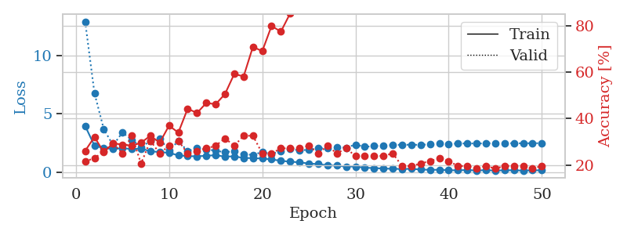
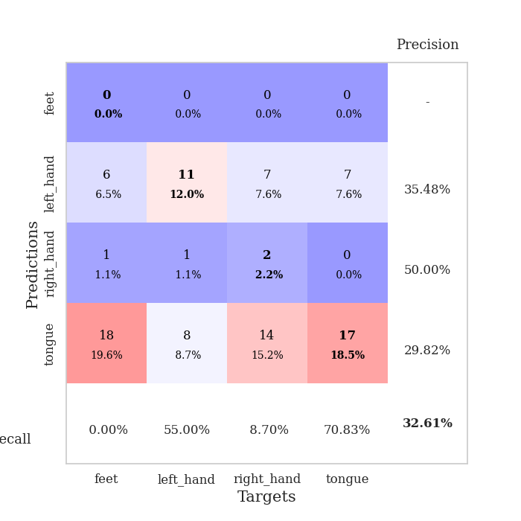
train_loss | valid_loss | train_accuracy | valid_accuracy | dur | train_misclass | valid_misclass
3.9684359716 | 12.956304695 | 0.26086956522 | 0.21739130435 | 0.1100666523 | 26.086956522 | 21.739130435
2.2712721306 | 6.785365058 | 0.32065217391 | 0.22826086957 | 0.1038775444 | 32.065217391 | 22.826086957
2.0572888799 | 3.6941330899 | 0.25543478261 | 0.26086956522 | 0.1087372303 | 25.543478261 | 26.086956522
1.9880677565 | 2.3010123864 | 0.29347826087 | 0.29347826087 | 0.11068153381 | 29.347826087 | 29.347826087
2.0423415485 | 3.4065666406 | 0.28804347826 | 0.25 | 0.10710096359 | 28.804347826 | 25
1.9892906987 | 2.7662413224 | 0.28260869565 | 0.32608695652 | 0.10882616043 | 28.260869565 | 32.608695652
2.0099285996 | 2.1554109739 | 0.29619565217 | 0.20652173913 | 0.1046526432 | 29.619565217 | 20.652173913
1.7946929413 | 2.6638132748 | 0.32608695652 | 0.30434782609 | 0.10622382164 | 32.608695652 | 30.434782609
1.7105678838 | 2.902590902 | 0.29619565217 | 0.25 | 0.11044716835 | 29.619565217 | 25
1.656244817 | 1.8348971087 | 0.36956521739 | 0.28260869565 | 0.10460829735 | 36.956521739 | 28.260869565
1.4344727941 | 2.676020161 | 0.33967391304 | 0.30434782609 | 0.10134553909 | 33.967391304 | 30.434782609
1.3717686974 | 1.7980888356 | 0.44293478261 | 0.25 | 0.11445951462 | 44.293478261 | 25
1.3521302472 | 2.0813743809 | 0.42391304348 | 0.26086956522 | 0.10566282272 | 42.391304348 | 26.086956522
1.4033807931 | 1.9506290011 | 0.46739130435 | 0.27173913043 | 0.10100483894 | 46.739130435 | 27.173913043
1.4456802918 | 1.8420782245 | 0.46195652174 | 0.28260869565 | 0.11544823647 | 46.195652174 | 28.260869565
1.3283804111 | 1.69545651 | 0.50543478261 | 0.3152173913 | 0.10561513901 | 50.543478261 | 31.52173913
1.3533472237 | 1.8161602279 | 0.59239130435 | 0.28260869565 | 0.10852313042 | 59.239130435 | 28.260869565
1.2067145083 | 1.5078575041 | 0.58152173913 | 0.32608695652 | 0.10599207878 | 58.152173913 | 32.608695652
1.203413217 | 1.4876094901 | 0.70923913043 | 0.32608695652 | 0.11112380028 | 70.923913043 | 32.608695652
1.1551611294 | 1.7139397082 | 0.6902173913 | 0.25 | 0.1080186367 | 69.02173913 | 25
1.0879854767 | 1.5570190212 | 0.79891304348 | 0.25 | 0.10560584068 | 79.891304348 | 25
0.96627139527 | 1.7902609784 | 0.77445652174 | 0.27173913043 | 0.10733699799 | 77.445652174 | 27.173913043
0.88914053855 | 1.9990209134 | 0.85326086957 | 0.27173913043 | 0.10824370384 | 85.326086957 | 27.173913043
0.83747327328 | 1.8562860852 | 0.91032608696 | 0.27173913043 | 0.11132073402 | 91.032608696 | 27.173913043
0.72890509211 | 1.9233602441 | 0.9347826087 | 0.28260869565 | 0.11252069473 | 93.47826087 | 28.260869565
0.68397062369 | 2.0335733424 | 0.95923913043 | 0.25 | 0.10731482506 | 95.923913043 | 25
0.57949276463 | 2.0694026532 | 0.96739130435 | 0.28260869565 | 0.10765004158 | 96.739130435 | 28.260869565
0.54748159129 | 2.1547477867 | 0.98641304348 | 0.25 | 0.1080121994 | 98.641304348 | 25
0.47244785661 | 2.095937195 | 0.99456521739 | 0.27173913043 | 0.10657715797 | 99.456521739 | 27.173913043
0.47860759885 | 2.3668375948 | 0.99456521739 | 0.23913043478 | 0.106808424 | 99.456521739 | 23.913043478
0.3670876985 | 2.1655101361 | 0.99456521739 | 0.23913043478 | 0.1037569046 | 99.456521739 | 23.913043478
0.34089024559 | 2.2332136838 | 0.99456521739 | 0.23913043478 | 0.10874032974 | 99.456521739 | 23.913043478
0.29973792803 | 2.2805501171 | 0.9972826087 | 0.23913043478 | 0.10319757462 | 99.72826087 | 23.913043478
0.27793572584 | 2.3289355817 | 1 | 0.25 | 0.10564351082 | 100 | 25
0.26095635849 | 2.3473338044 | 1 | 0.19565217391 | 0.10986304283 | 100 | 19.565217391
0.27700439808 | 2.3499327639 | 1 | 0.19565217391 | 0.10906481743 | 100 | 19.565217391
0.21315736745 | 2.3379378422 | 1 | 0.20652173913 | 0.10773444176 | 100 | 20.652173913
0.19063821062 | 2.3878236232 | 1 | 0.21739130435 | 0.10780119896 | 100 | 21.739130435
0.19348220835 | 2.4867377489 | 1 | 0.22826086957 | 0.10360455513 | 100 | 22.826086957
0.15341474375 | 2.4305431635 | 1 | 0.21739130435 | 0.11012721062 | 100 | 21.739130435
0.1472473713 | 2.4517886017 | 1 | 0.19565217391 | 0.10682797432 | 100 | 19.565217391
0.17221487978 | 2.4656228501 | 1 | 0.19565217391 | 0.10752701759 | 100 | 19.565217391
0.13369746684 | 2.4578544472 | 1 | 0.1847826087 | 0.10669207573 | 100 | 18.47826087
0.16265269952 | 2.4644723768 | 1 | 0.19565217391 | 0.10529637337 | 100 | 19.565217391
0.12738270458 | 2.4995094382 | 1 | 0.1847826087 | 0.10788202286 | 100 | 18.47826087
0.14957625111 | 2.4877560968 | 1 | 0.19565217391 | 0.10799765587 | 100 | 19.565217391
0.14866936369 | 2.4757856597 | 1 | 0.19565217391 | 0.10827159882 | 100 | 19.565217391
0.12527234609 | 2.4735884044 | 1 | 0.19565217391 | 0.10459637642 | 100 | 19.565217391
0.14973473484 | 2.4822926418 | 1 | 0.1847826087 | 0.10517501831 | 100 | 18.47826087
0.14735873238 | 2.4819852684 | 1 | 0.19565217391 | 0.10733413696 | 100 | 19.565217391

Best Val accuracy is 0.32608695652173914 and Best test accuracy is 0.2672413793103448

Sheet5
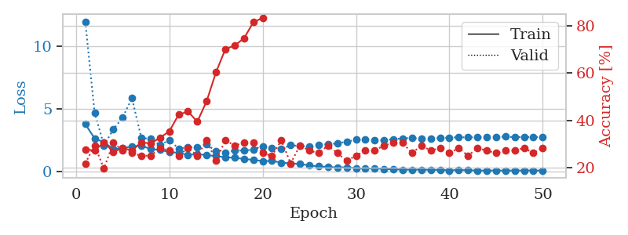
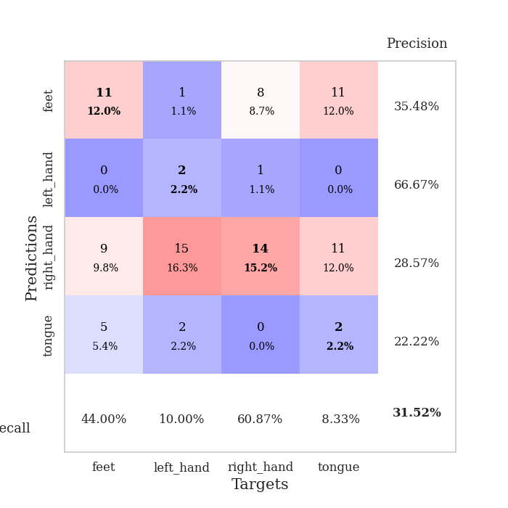
train_loss | valid_loss | train_accuracy | valid_accuracy | dur | train_misclass | valid_misclass
3.801831629 | 12.002720719 | 0.27717391304 | 0.21739130435 | 0.10043072701 | 27.717391304 | 21.739130435
2.6564089578 | 4.7088143307 | 0.27173913043 | 0.29347826087 | 0.10815048218 | 27.173913043 | 29.347826087
2.3459897404 | 2.1006530057 | 0.30706521739 | 0.19565217391 | 0.10333704948 | 30.706521739 | 19.565217391
1.8095483158 | 3.3709828698 | 0.26630434783 | 0.30434782609 | 0.1105093956 | 26.630434783 | 30.434782609
1.8631345474 | 4.3335196091 | 0.28260869565 | 0.27173913043 | 0.10538172722 | 28.260869565 | 27.173913043
2.0259538111 | 5.8686451134 | 0.27173913043 | 0.26086956522 | 0.10930609703 | 27.173913043 | 26.086956522
2.0758836943 | 2.7073178291 | 0.30706521739 | 0.25 | 0.10499405861 | 30.706521739 | 25
1.8107811938 | 2.6050068192 | 0.30163043478 | 0.25 | 0.10867619514 | 30.163043478 | 25
1.7383152091 | 2.1255787611 | 0.32608695652 | 0.28260869565 | 0.11048388481 | 32.608695652 | 28.260869565
1.5667042888 | 2.5136790224 | 0.35326086957 | 0.27173913043 | 0.10695409775 | 35.326086957 | 27.173913043
1.5047440529 | 1.8402483515 | 0.42391304348 | 0.25 | 0.10480380058 | 42.391304348 | 25
1.3275368473 | 1.9543940969 | 0.4375 | 0.28260869565 | 0.10721206665 | 43.75 | 28.260869565
1.4085671902 | 1.9536858797 | 0.39402173913 | 0.25 | 0.10446715355 | 39.402173913 | 25
1.3142067401 | 2.1911026758 | 0.48097826087 | 0.3152173913 | 0.11275792122 | 48.097826087 | 31.52173913
1.2453069324 | 1.6235586819 | 0.60326086957 | 0.22826086957 | 0.10527396202 | 60.326086957 | 22.826086957
1.1466397565 | 1.5311257528 | 0.70108695652 | 0.3152173913 | 0.108959198 | 70.108695652 | 31.52173913
1.1072541579 | 1.6823806763 | 0.71739130435 | 0.29347826087 | 0.10305595398 | 71.739130435 | 29.347826087
1.0128313562 | 1.6914547993 | 0.7472826087 | 0.30434782609 | 0.11137008667 | 74.72826087 | 30.434782609
0.93679722237 | 1.7546549517 | 0.8152173913 | 0.30434782609 | 0.10558629036 | 81.52173913 | 30.434782609
0.84579952903 | 2.0093491959 | 0.83423913043 | 0.26086956522 | 0.10581946373 | 83.423913043 | 26.086956522
0.85097378233 | 1.8578366611 | 0.89945652174 | 0.25 | 0.10562062263 | 89.945652174 | 25
0.72494383221 | 1.8182982103 | 0.91304347826 | 0.3152173913 | 0.10714840889 | 91.304347826 | 31.52173913
0.65683832376 | 2.1102993177 | 0.94836956522 | 0.21739130435 | 0.10919690132 | 94.836956522 | 21.739130435
0.61391710846 | 2.0449759442 | 0.96195652174 | 0.29347826087 | 0.1074924469 | 96.195652174 | 29.347826087
0.48842225256 | 2.0139304866 | 0.97826086957 | 0.27173913043 | 0.10801029205 | 97.826086957 | 27.173913043
0.41537127417 | 2.1647273769 | 0.99184782609 | 0.26086956522 | 0.10740089417 | 99.184782609 | 26.086956522
0.37686792016 | 2.1827606015 | 0.98913043478 | 0.29347826087 | 0.10814976692 | 98.913043478 | 29.347826087
0.32482104587 | 2.2636057812 | 0.9972826087 | 0.26086956522 | 0.11182999611 | 99.72826087 | 26.086956522
0.34899478049 | 2.3894850689 | 1 | 0.22826086957 | 0.11200094223 | 100 | 22.826086957
0.27285760803 | 2.5498097565 | 1 | 0.25 | 0.10120129585 | 100 | 25
0.24181195964 | 2.5617212938 | 1 | 0.27173913043 | 0.10782361031 | 100 | 27.173913043
0.26614653643 | 2.5175768292 | 1 | 0.27173913043 | 0.10806274414 | 100 | 27.173913043
0.20955844839 | 2.5268087802 | 1 | 0.29347826087 | 0.1025788784 | 100 | 29.347826087
0.1872450285 | 2.586023963 | 1 | 0.30434782609 | 0.10479903221 | 100 | 30.434782609
0.15369470369 | 2.6641807763 | 1 | 0.30434782609 | 0.10738754272 | 100 | 30.434782609
0.15512113338 | 2.6946674326 | 1 | 0.26086956522 | 0.11024236679 | 100 | 26.086956522
0.15990798175 | 2.6070843572 | 1 | 0.29347826087 | 0.10185623169 | 100 | 29.347826087
0.1362697691 | 2.6393466307 | 1 | 0.27173913043 | 0.1012237072 | 100 | 27.173913043
0.14030707385 | 2.678564507 | 1 | 0.28260869565 | 0.11034679413 | 100 | 28.260869565
0.098387842755 | 2.7298870605 | 1 | 0.26086956522 | 0.10310697556 | 100 | 26.086956522
0.12780293174 | 2.7427573722 | 1 | 0.28260869565 | 0.10582590103 | 100 | 28.260869565
0.1077884102 | 2.7435892665 | 1 | 0.25 | 0.10830307007 | 100 | 25
0.090547357078 | 2.7325036526 | 1 | 0.28260869565 | 0.10526537895 | 100 | 28.260869565
0.08379296432 | 2.7709676805 | 1 | 0.27173913043 | 0.10187911987 | 100 | 27.173913043
0.089434378011 | 2.779049324 | 1 | 0.26086956522 | 0.10843801498 | 100 | 26.086956522
0.084713994809 | 2.7949481321 | 1 | 0.27173913043 | 0.10433793068 | 100 | 27.173913043
0.089205766502 | 2.7542862478 | 1 | 0.27173913043 | 0.10234689713 | 100 | 27.173913043
0.093131125864 | 2.7632164437 | 1 | 0.28260869565 | 0.10774445534 | 100 | 28.260869565
0.090307109382 | 2.7632655786 | 1 | 0.26086956522 | 0.11017417908 | 100 | 26.086956522
0.089831604906 | 2.7696362682 | 1 | 0.28260869565 | 0.11212015152 | 100 | 28.260869565

Best Val accuracy is 0.31521739130434784 and Best test accuracy is 0.27586206896551724

Sheet6
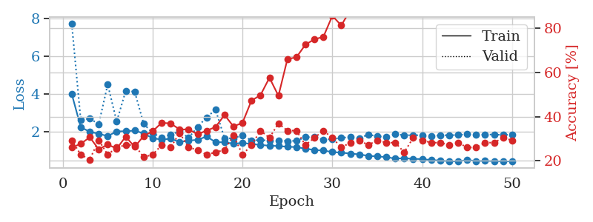
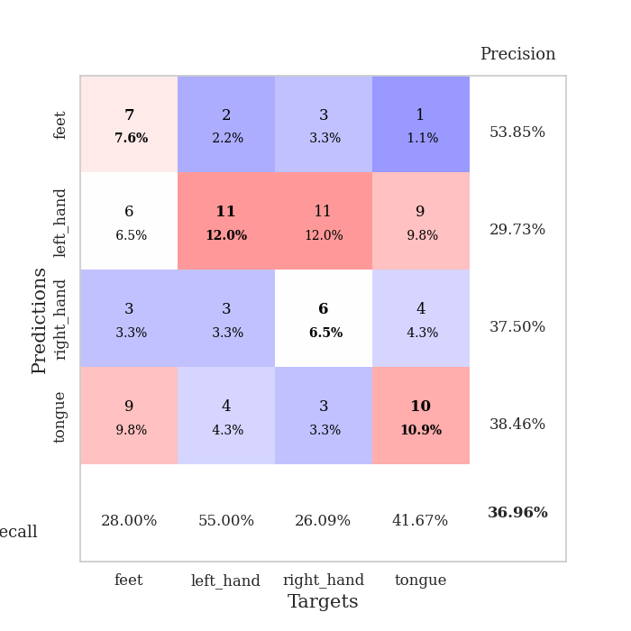
train_loss | valid_loss | train_accuracy | valid_accuracy | dur | train_misclass | valid_misclass
3.9987745907 | 7.7004950979 | 0.26086956522 | 0.29347826087 | 0.11124897003 | 26.086956522 | 29.347826087
2.2453748921 | 2.6120633664 | 0.27717391304 | 0.22826086957 | 0.10223722458 | 27.717391304 | 22.826086957
2.00171325 | 2.7074412004 | 0.30706521739 | 0.20652173913 | 0.10760474205 | 30.706521739 | 20.652173913
1.9001952099 | 2.4031386738 | 0.2527173913 | 0.29347826087 | 0.10613322258 | 25.27173913 | 29.347826087
1.772142203 | 4.5043450646 | 0.27445652174 | 0.22826086957 | 0.10469841957 | 27.445652174 | 22.826086957
2.0234937979 | 2.5419756848 | 0.25543478261 | 0.26086956522 | 0.10103702545 | 25.543478261 | 26.086956522
2.03203646 | 4.1548864945 | 0.3097826087 | 0.27173913043 | 0.10436034203 | 30.97826087 | 27.173913043
2.0655704478 | 4.1288722546 | 0.26358695652 | 0.27173913043 | 0.10305905342 | 26.358695652 | 27.173913043
1.915131854 | 2.4278136129 | 0.3125 | 0.21739130435 | 0.11038923264 | 31.25 | 21.739130435
1.6650157493 | 1.9288705484 | 0.33423913043 | 0.22826086957 | 0.1007578373 | 33.423913043 | 22.826086957
1.5880509874 | 1.6965376191 | 0.3722826087 | 0.27173913043 | 0.10318255424 | 37.22826087 | 27.173913043
1.6356819609 | 1.8403549194 | 0.36956521739 | 0.26086956522 | 0.10224437714 | 36.956521739 | 26.086956522
1.4607450081 | 2.0389212111 | 0.34239130435 | 0.32608695652 | 0.10811209679 | 34.239130435 | 32.608695652
1.5424936284 | 1.6805979221 | 0.34239130435 | 0.26086956522 | 0.10432887077 | 34.239130435 | 26.086956522
1.5737139298 | 2.2580417498 | 0.32065217391 | 0.25 | 0.11028862 | 32.065217391 | 25
1.7540494255 | 2.7660677951 | 0.33695652174 | 0.22826086957 | 0.10402297974 | 33.695652174 | 22.826086957
1.4547301013 | 3.1654310382 | 0.35326086957 | 0.23913043478 | 0.10394525528 | 35.326086957 | 23.913043478
1.4455858961 | 1.6636764485 | 0.40760869565 | 0.25 | 0.10368537903 | 40.760869565 | 25
1.3752477791 | 1.6518471293 | 0.35597826087 | 0.3152173913 | 0.11095619202 | 35.597826087 | 31.52173913
1.4085009357 | 1.8271031432 | 0.3722826087 | 0.22826086957 | 0.10702371597 | 37.22826087 | 22.826086957
1.3627087966 | 1.5353788137 | 0.47282608696 | 0.27173913043 | 0.11045360565 | 47.282608696 | 27.173913043
1.3070303616 | 1.5734344617 | 0.4972826087 | 0.33695652174 | 0.1122572422 | 49.72826087 | 33.695652174
1.2659069585 | 1.530041762 | 0.57608695652 | 0.30434782609 | 0.11322999001 | 57.608695652 | 30.434782609
1.247492303 | 1.548461686 | 0.49456521739 | 0.36956521739 | 0.1083137989 | 49.456521739 | 36.956521739
1.2106683824 | 1.5151756587 | 0.66032608696 | 0.33695652174 | 0.10618233681 | 66.032608696 | 33.695652174
1.1926014372 | 1.521786612 | 0.66847826087 | 0.33695652174 | 0.10189914703 | 66.847826087 | 33.695652174
1.1100338775 | 1.7156817187 | 0.72554347826 | 0.27173913043 | 0.10690927505 | 72.554347826 | 27.173913043
1.0396297885 | 1.7225719328 | 0.75 | 0.30434782609 | 0.11136698723 | 75 | 30.434782609
1.009997741 | 1.578231542 | 0.76086956522 | 0.33695652174 | 0.11599397659 | 76.086956522 | 33.695652174
0.93140769523 | 1.6247318931 | 0.85597826087 | 0.30434782609 | 0.10417485237 | 85.597826087 | 30.434782609
0.90106333598 | 1.6725733798 | 0.8125 | 0.26086956522 | 0.10629725456 | 81.25 | 26.086956522
0.8496900771 | 1.7337065728 | 0.88315217391 | 0.28260869565 | 0.10275602341 | 88.315217391 | 28.260869565
0.80803593993 | 1.6535546002 | 0.90489130435 | 0.29347826087 | 0.11097979546 | 90.489130435 | 29.347826087
0.73005665644 | 1.8619876115 | 0.92663043478 | 0.27173913043 | 0.10781002045 | 92.663043478 | 27.173913043
0.69763447668 | 1.756117261 | 0.89945652174 | 0.29347826087 | 0.10860800743 | 89.945652174 | 29.347826087
0.66598251721 | 1.7484900848 | 0.95108695652 | 0.28260869565 | 0.11240124702 | 95.108695652 | 28.260869565
0.58294251172 | 1.8686670635 | 0.97010869565 | 0.28260869565 | 0.10973381996 | 97.010869565 | 28.260869565
0.60886773726 | 1.8262346568 | 0.95923913043 | 0.23913043478 | 0.10606980324 | 95.923913043 | 23.913043478
0.56983153457 | 1.8185201365 | 0.97282608696 | 0.30434782609 | 0.105905056 | 97.282608696 | 30.434782609
0.55793213585 | 1.824422686 | 0.97554347826 | 0.29347826087 | 0.10999107361 | 97.554347826 | 29.347826087
0.50751343369 | 1.7521706664 | 0.98097826087 | 0.28260869565 | 0.11142230034 | 98.097826087 | 28.260869565
0.48306313092 | 1.8234855973 | 0.98369565217 | 0.28260869565 | 0.10737586021 | 98.369565217 | 28.260869565
0.44454795511 | 1.8193736439 | 0.98641304348 | 0.27173913043 | 0.10661673546 | 98.641304348 | 27.173913043
0.44176144056 | 1.8330182822 | 0.98913043478 | 0.28260869565 | 0.10810160637 | 98.913043478 | 28.260869565
0.50650314922 | 1.8703643602 | 0.99184782609 | 0.26086956522 | 0.11097097397 | 99.184782609 | 26.086956522
0.45950746407 | 1.8301862012 | 0.99184782609 | 0.26086956522 | 0.11055612564 | 99.184782609 | 26.086956522
0.46144481198 | 1.866861048 | 0.99184782609 | 0.28260869565 | 0.10381531715 | 99.184782609 | 28.260869565
0.45242057287 | 1.8490819154 | 0.99184782609 | 0.28260869565 | 0.10394358635 | 99.184782609 | 28.260869565
0.44109693623 | 1.8444999405 | 0.99184782609 | 0.30434782609 | 0.10323905945 | 99.184782609 | 30.434782609
0.44162861161 | 1.8530479773 | 0.99184782609 | 0.29347826087 | 0.10946583748 | 99.184782609 | 29.347826087

Best Val accuracy is 0.3695652173913043 and Best test accuracy is 0.31896551724137934

Sheet7
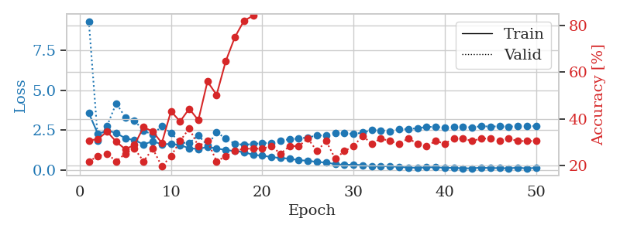
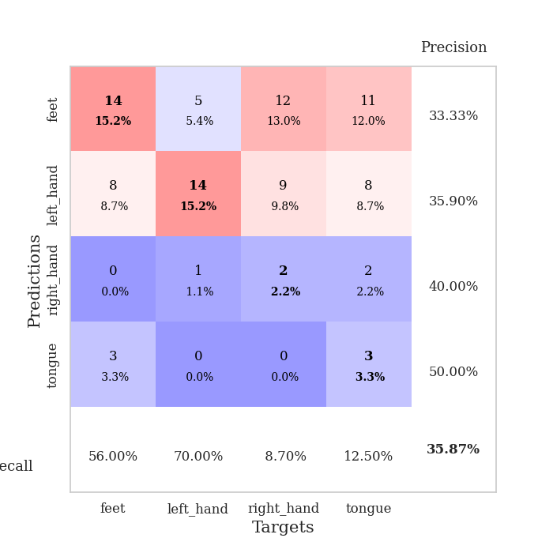
train_loss | valid_loss | train_accuracy | valid_accuracy | dur | train_misclass | valid_misclass
3.5691322762 | 9.3357532543 | 0.30706521739 | 0.21739130435 | 0.1094186306 | 30.706521739 | 21.739130435
2.2472807532 | 1.8439283008 | 0.3125 | 0.23913043478 | 0.11074590683 | 31.25 | 23.913043478
2.4783488979 | 2.7564513735 | 0.34510869565 | 0.25 | 0.1114449501 | 34.510869565 | 25
2.3128944635 | 4.1822980798 | 0.30163043478 | 0.21739130435 | 0.11771821976 | 30.163043478 | 21.739130435
1.9815718195 | 3.3025933608 | 0.26902173913 | 0.25 | 0.10773706436 | 26.902173913 | 25
1.8667364328 | 3.0914683549 | 0.28804347826 | 0.27173913043 | 0.10572338104 | 28.804347826 | 27.173913043
1.5991630295 | 2.4568121381 | 0.36413043478 | 0.21739130435 | 0.10571789742 | 36.413043478 | 21.739130435
1.7930070887 | 2.2096475052 | 0.34510869565 | 0.27173913043 | 0.10566616058 | 34.510869565 | 27.173913043
1.6062602479 | 2.7545509701 | 0.29619565217 | 0.19565217391 | 0.11186885834 | 29.619565217 | 19.565217391
1.62447692 | 2.3052556152 | 0.43206521739 | 0.23913043478 | 0.10635066032 | 43.206521739 | 23.913043478
1.5545922103 | 1.7114351884 | 0.38858695652 | 0.30434782609 | 0.1103181839 | 38.858695652 | 30.434782609
1.354730435 | 1.6806751541 | 0.44293478261 | 0.35869565217 | 0.11448049545 | 44.293478261 | 35.869565217
1.3118525692 | 2.1568272425 | 0.39402173913 | 0.28260869565 | 0.10953354836 | 39.402173913 | 28.260869565
1.4348895861 | 1.542797752 | 0.5597826087 | 0.30434782609 | 0.11064171791 | 55.97826087 | 30.434782609
1.3419658516 | 2.3468374999 | 0.5027173913 | 0.21739130435 | 0.10871720314 | 50.27173913 | 21.739130435
1.2469006207 | 1.9823899839 | 0.64673913043 | 0.23913043478 | 0.10588431358 | 64.673913043 | 23.913043478
1.1766988583 | 1.630056008 | 0.75 | 0.26086956522 | 0.10641932487 | 75 | 26.086956522
1.1114679497 | 1.5793050735 | 0.82065217391 | 0.27173913043 | 0.11141395569 | 82.065217391 | 27.173913043
0.94101501289 | 1.6188813552 | 0.84239130435 | 0.27173913043 | 0.11397504807 | 84.239130435 | 27.173913043
0.89129540195 | 1.6818052012 | 0.88315217391 | 0.27173913043 | 0.10859560966 | 88.315217391 | 27.173913043
0.80453547835 | 1.6935423094 | 0.90489130435 | 0.28260869565 | 0.11022543907 | 90.489130435 | 28.260869565
0.7378140662 | 1.8419320687 | 0.92934782609 | 0.25 | 0.10559773445 | 92.934782609 | 25
0.70352962872 | 1.9177258274 | 0.91576086957 | 0.28260869565 | 0.10952425003 | 91.576086957 | 28.260869565
0.6072192218 | 1.9683506955 | 0.95380434783 | 0.28260869565 | 0.11244106293 | 95.380434783 | 28.260869565
0.56932883418 | 2.0355916593 | 0.97826086957 | 0.3152173913 | 0.11003136635 | 97.826086957 | 31.52173913
0.49456657145 | 2.1597430913 | 0.98641304348 | 0.26086956522 | 0.11212444305 | 98.641304348 | 26.086956522
0.45577154147 | 2.1592363845 | 0.9972826087 | 0.30434782609 | 0.10218381882 | 99.72826087 | 30.434782609
0.35833925948 | 2.3364633374 | 0.99456521739 | 0.22826086957 | 0.11426520348 | 99.456521739 | 22.826086957
0.30983856515 | 2.2927011614 | 0.9972826087 | 0.26086956522 | 0.10558843613 | 99.72826087 | 26.086956522
0.32401069675 | 2.2489290859 | 0.9972826087 | 0.28260869565 | 0.11083650589 | 99.72826087 | 28.260869565
0.29252521305 | 2.3398751176 | 1 | 0.32608695652 | 0.10782551765 | 100 | 32.608695652
0.2136679891 | 2.4988919963 | 1 | 0.29347826087 | 0.11057209969 | 100 | 29.347826087
0.23299813951 | 2.4749510185 | 1 | 0.3152173913 | 0.10919833183 | 100 | 31.52173913
0.22363866542 | 2.4321106517 | 1 | 0.30434782609 | 0.10852646828 | 100 | 30.434782609
0.18218919764 | 2.5427126988 | 1 | 0.29347826087 | 0.10573577881 | 100 | 29.347826087
0.14783411846 | 2.5650606052 | 1 | 0.3152173913 | 0.10562205315 | 100 | 31.52173913
0.12294372463 | 2.6090011908 | 1 | 0.29347826087 | 0.10946154594 | 100 | 29.347826087
0.15889817914 | 2.6980027634 | 1 | 0.28260869565 | 0.11034846306 | 100 | 28.260869565
0.16158974106 | 2.7014367062 | 1 | 0.30434782609 | 0.10883545876 | 100 | 30.434782609
0.12413032887 | 2.6485893726 | 1 | 0.29347826087 | 0.10481739044 | 100 | 29.347826087
0.12796244657 | 2.6898846004 | 1 | 0.3152173913 | 0.11453390121 | 100 | 31.52173913
0.089894187191 | 2.6817434871 | 1 | 0.3152173913 | 0.1080031395 | 100 | 31.52173913
0.10000015585 | 2.6747806072 | 1 | 0.30434782609 | 0.11080217361 | 100 | 30.434782609
0.13405361253 | 2.7386799377 | 1 | 0.3152173913 | 0.11488771439 | 100 | 31.52173913
0.10880559416 | 2.7224687908 | 1 | 0.3152173913 | 0.11183214188 | 100 | 31.52173913
0.10878158677 | 2.7301375348 | 1 | 0.30434782609 | 0.11059880257 | 100 | 30.434782609
0.093725668509 | 2.7202037832 | 1 | 0.3152173913 | 0.10812211037 | 100 | 31.52173913
0.1349862801 | 2.7348133481 | 1 | 0.30434782609 | 0.1120595932 | 100 | 30.434782609
0.089621089561 | 2.7283460057 | 1 | 0.30434782609 | 0.10887646675 | 100 | 30.434782609
0.12097702418 | 2.7545089618 | 1 | 0.30434782609 | 0.10287690163 | 100 | 30.434782609

Best Val accuracy is 0.358695652173913 and Best test accuracy is 0.23275862068965517

Sheet8
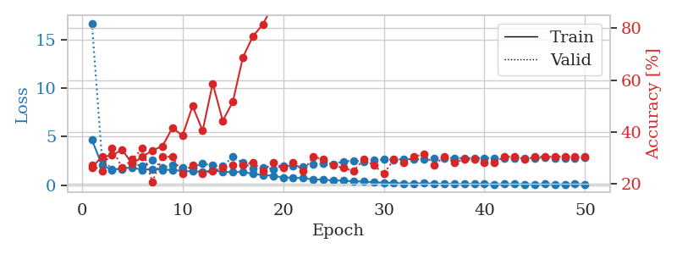
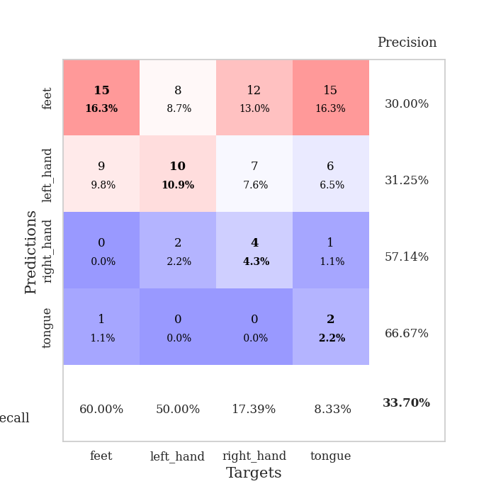
train_loss | valid_loss | train_accuracy | valid_accuracy | dur | train_misclass | valid_misclass
4.6639282963 | 16.704101106 | 0.26358695652 | 0.27173913043 | 0.10823512077 | 26.358695652 | 27.173913043
2.0690048933 | 2.6711646578 | 0.30434782609 | 0.25 | 0.107681036 | 30.434782609 | 25
1.5384288456 | 1.6674841435 | 0.3097826087 | 0.33695652174 | 0.10703372955 | 30.97826087 | 33.695652174
1.7457690446 | 1.6146608073 | 0.33152173913 | 0.26086956522 | 0.10941004753 | 33.152173913 | 26.086956522
1.7989396012 | 2.2527812149 | 0.27717391304 | 0.29347826087 | 0.10286402702 | 27.717391304 | 29.347826087
1.5794401739 | 1.9393244774 | 0.30434782609 | 0.33695652174 | 0.10223317146 | 30.434782609 | 33.695652174
1.6443679955 | 2.5890188373 | 0.32880434783 | 0.20652173913 | 0.10955762863 | 32.880434783 | 20.652173913
1.5785535626 | 1.8067715427 | 0.34510869565 | 0.30434782609 | 0.1079082489 | 34.510869565 | 30.434782609
1.5721676246 | 2.0441970618 | 0.41576086957 | 0.30434782609 | 0.11221504211 | 41.576086957 | 30.434782609
1.4458925776 | 1.7666473544 | 0.38586956522 | 0.23913043478 | 0.10431671143 | 38.586956522 | 23.913043478
1.4258559217 | 1.829576964 | 0.5 | 0.27173913043 | 0.10638332367 | 50 | 27.173913043
1.3800202064 | 2.213323987 | 0.40489130435 | 0.23913043478 | 0.11172747612 | 40.489130435 | 23.913043478
1.4958831901 | 2.0273036749 | 0.58695652174 | 0.25 | 0.10357713699 | 58.695652174 | 25
1.3874368719 | 1.9349079391 | 0.44293478261 | 0.26086956522 | 0.10790324211 | 44.293478261 | 26.086956522
1.3244691517 | 2.9019260821 | 0.51630434783 | 0.27173913043 | 0.10787725449 | 51.630434783 | 27.173913043
1.3709564131 | 2.3165054891 | 0.6875 | 0.27173913043 | 0.11294436455 | 68.75 | 27.173913043
1.150766199 | 1.6983276606 | 0.76902173913 | 0.28260869565 | 0.10892534256 | 76.902173913 | 28.260869565
1.0473624027 | 1.8029410735 | 0.8152173913 | 0.25 | 0.10470986366 | 81.52173913 | 25
0.96067081845 | 1.6635076119 | 0.89130434783 | 0.28260869565 | 0.11076402664 | 89.130434783 | 28.260869565
0.79164966034 | 1.9700703569 | 0.89130434783 | 0.26086956522 | 0.11018610001 | 89.130434783 | 26.086956522
0.75824537744 | 2.0014246961 | 0.92663043478 | 0.28260869565 | 0.11158919334 | 92.663043478 | 28.260869565
0.71115465268 | 1.9235857881 | 0.95923913043 | 0.25 | 0.1061501503 | 95.923913043 | 25
0.58079682614 | 2.170691345 | 0.96467391304 | 0.30434782609 | 0.1073718071 | 96.467391304 | 30.434782609
0.55628841403 | 2.2482275652 | 0.97554347826 | 0.29347826087 | 0.11381864548 | 97.554347826 | 29.347826087
0.47841892424 | 2.1908269032 | 0.99184782609 | 0.27173913043 | 0.10498833656 | 99.184782609 | 27.173913043
0.46223779833 | 2.4377849517 | 0.9972826087 | 0.26086956522 | 0.11427211761 | 99.72826087 | 26.086956522
0.37767933244 | 2.5203301803 | 1 | 0.25 | 0.10840773582 | 100 | 25
0.37367787698 | 2.430096761 | 1 | 0.29347826087 | 0.10601449013 | 100 | 29.347826087
0.28786282824 | 2.5460039636 | 1 | 0.27173913043 | 0.11283230782 | 100 | 27.173913043
0.25704597099 | 2.6788769287 | 1 | 0.23913043478 | 0.10884833336 | 100 | 23.913043478
0.22892427137 | 2.616368698 | 1 | 0.29347826087 | 0.10520339012 | 100 | 29.347826087
0.16083464885 | 2.6868562802 | 1 | 0.28260869565 | 0.10406327248 | 100 | 28.260869565
0.16610240224 | 2.6641325329 | 1 | 0.30434782609 | 0.10542225838 | 100 | 30.434782609
0.1855362887 | 2.6600222899 | 1 | 0.3152173913 | 0.1058754921 | 100 | 31.52173913
0.15497463747 | 2.7227430344 | 1 | 0.27173913043 | 0.10911679268 | 100 | 27.173913043
0.13021106597 | 2.7813723917 | 1 | 0.30434782609 | 0.1049618721 | 100 | 30.434782609
0.12068810784 | 2.7931930293 | 1 | 0.28260869565 | 0.11492180824 | 100 | 28.260869565
0.10987401689 | 2.7871451482 | 1 | 0.29347826087 | 0.11219835281 | 100 | 29.347826087
0.13312889879 | 2.791627687 | 1 | 0.29347826087 | 0.10855054855 | 100 | 29.347826087
0.10903251333 | 2.7933084239 | 1 | 0.28260869565 | 0.10804867744 | 100 | 28.260869565
0.094223464515 | 2.7656201072 | 1 | 0.28260869565 | 0.1129693985 | 100 | 28.260869565
0.098813173726 | 2.7632219999 | 1 | 0.30434782609 | 0.10481309891 | 100 | 30.434782609
0.11163847165 | 2.7650915332 | 1 | 0.30434782609 | 0.10514974594 | 100 | 30.434782609
0.087430098013 | 2.7955662686 | 1 | 0.29347826087 | 0.10563588142 | 100 | 29.347826087
0.08777660666 | 2.7771156871 | 1 | 0.30434782609 | 0.11031103134 | 100 | 30.434782609
0.1033206727 | 2.8084573227 | 1 | 0.30434782609 | 0.10184955597 | 100 | 30.434782609
0.074288379037 | 2.7862976219 | 1 | 0.30434782609 | 0.10909199715 | 100 | 30.434782609
0.086807152904 | 2.790049895 | 1 | 0.30434782609 | 0.11282086372 | 100 | 30.434782609
0.10965472427 | 2.7719640006 | 1 | 0.30434782609 | 0.10201358795 | 100 | 30.434782609
0.085771009731 | 2.8104323097 | 1 | 0.30434782609 | 0.11229205132 | 100 | 30.434782609

Best Val accuracy is 0.33695652173913043 and Best test accuracy is 0.2672413793103448

Sheet9
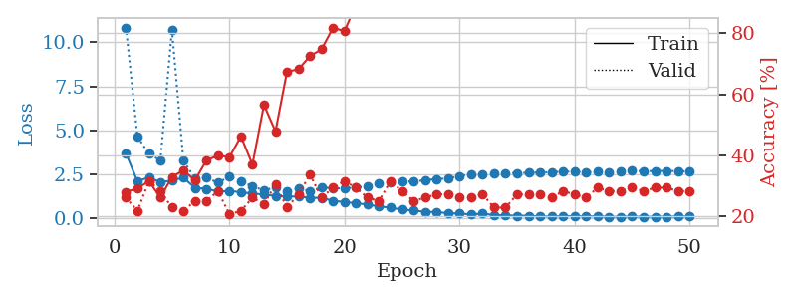
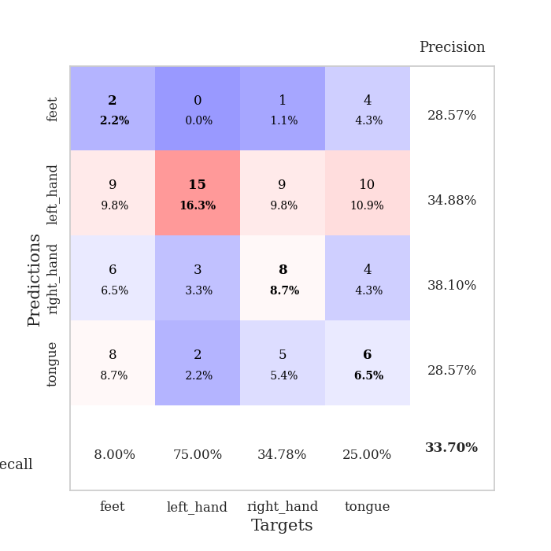
train_loss | valid_loss | train_accuracy | valid_accuracy | dur | train_misclass | valid_misclass
3.6920764394 | 10.839086771 | 0.27989130435 | 0.26086956522 | 0.10893058777 | 27.989130435 | 26.086956522
2.0924233302 | 4.6558277918 | 0.29076086957 | 0.21739130435 | 0.11844921112 | 29.076086957 | 21.739130435
2.3324708887 | 3.6571991392 | 0.3152173913 | 0.3152173913 | 0.10736107826 | 31.52173913 | 31.52173913
2.0409665004 | 3.2919230513 | 0.26086956522 | 0.28260869565 | 0.11092615128 | 26.086956522 | 28.260869565
2.1474187011 | 10.713979343 | 0.32880434783 | 0.22826086957 | 0.10324287415 | 32.880434783 | 22.826086957
2.3055313152 | 3.2609867479 | 0.35054347826 | 0.21739130435 | 0.10484290123 | 35.054347826 | 21.739130435
1.7244255646 | 2.2769003588 | 0.31793478261 | 0.25 | 0.11178946495 | 31.793478261 | 25
1.6713999665 | 2.3029144691 | 0.38315217391 | 0.25 | 0.1044690609 | 38.315217391 | 25
1.5185629129 | 2.0181712897 | 0.39945652174 | 0.28260869565 | 0.10578036308 | 39.945652174 | 28.260869565
1.5509467954 | 2.3580218865 | 0.39402173913 | 0.20652173913 | 0.11044073105 | 39.402173913 | 20.652173913
1.4760851445 | 2.0961337297 | 0.46195652174 | 0.21739130435 | 0.10215735435 | 46.195652174 | 21.739130435
1.4058318034 | 1.82424891 | 0.36956521739 | 0.26086956522 | 0.1051902771 | 36.956521739 | 26.086956522
1.3457075306 | 1.5787943498 | 0.5652173913 | 0.23913043478 | 0.10252261162 | 56.52173913 | 23.913043478
1.2726950749 | 1.7628155636 | 0.47826086957 | 0.30434782609 | 0.1044113636 | 47.826086957 | 30.434782609
1.2310176569 | 1.5452270767 | 0.67391304348 | 0.22826086957 | 0.10751414299 | 67.391304348 | 22.826086957
1.2354465645 | 1.7023134024 | 0.68206521739 | 0.27173913043 | 0.10467362404 | 68.206521739 | 27.173913043
1.1625251407 | 1.5412615486 | 0.72554347826 | 0.33695652174 | 0.10497808456 | 72.554347826 | 33.695652174
1.1537107203 | 1.7459693784 | 0.7472826087 | 0.26086956522 | 0.10879182816 | 74.72826087 | 26.086956522
0.99097621182 | 1.7099150419 | 0.81793478261 | 0.29347826087 | 0.11402773857 | 81.793478261 | 29.347826087
0.91552101529 | 1.6908062437 | 0.80706521739 | 0.3152173913 | 0.10774683952 | 80.706521739 | 31.52173913
0.8586159815 | 1.7596028836 | 0.89402173913 | 0.29347826087 | 0.10595703125 | 89.402173913 | 29.347826087
0.77506274114 | 1.8113300334 | 0.92391304348 | 0.26086956522 | 0.10484480858 | 92.391304348 | 26.086956522
0.67356599803 | 1.9924807341 | 0.95652173913 | 0.25 | 0.11058497429 | 95.652173913 | 25
0.59938162824 | 2.0238600399 | 0.96195652174 | 0.3152173913 | 0.10239911079 | 96.195652174 | 31.52173913
0.48741601019 | 2.0993301557 | 0.98641304348 | 0.28260869565 | 0.10871100426 | 98.641304348 | 28.260869565
0.44387905235 | 2.0764736715 | 0.9972826087 | 0.25 | 0.11455655098 | 99.72826087 | 25
0.35891681197 | 2.1662830788 | 1 | 0.26086956522 | 0.10518717766 | 100 | 26.086956522
0.35487148295 | 2.2228424653 | 0.99456521739 | 0.27173913043 | 0.10716485977 | 99.456521739 | 27.173913043
0.28465492959 | 2.2666662569 | 1 | 0.27173913043 | 0.11099147797 | 100 | 27.173913043
0.26664327085 | 2.4044293424 | 1 | 0.26086956522 | 0.10587930679 | 100 | 26.086956522
0.21852834555 | 2.502794131 | 1 | 0.26086956522 | 0.1050195694 | 100 | 26.086956522
0.25955049694 | 2.4671619042 | 1 | 0.27173913043 | 0.1030921936 | 100 | 27.173913043
0.17934652418 | 2.5707719948 | 1 | 0.22826086957 | 0.10967826843 | 100 | 22.826086957
0.16520574592 | 2.5610157821 | 1 | 0.22826086957 | 0.10270595551 | 100 | 22.826086957
0.14358499905 | 2.5784968293 | 1 | 0.27173913043 | 0.11113882065 | 100 | 27.173913043
0.14056116116 | 2.5809543755 | 1 | 0.27173913043 | 0.10795331001 | 100 | 27.173913043
0.099426421782 | 2.5981708506 | 1 | 0.27173913043 | 0.10567212105 | 100 | 27.173913043
0.094881477077 | 2.6209694925 | 1 | 0.26086956522 | 0.10642790794 | 100 | 26.086956522
0.12090574869 | 2.6508421691 | 1 | 0.28260869565 | 0.10543751717 | 100 | 28.260869565
0.11649623764 | 2.6485596014 | 1 | 0.27173913043 | 0.10603952408 | 100 | 27.173913043
0.098647253669 | 2.6207281507 | 1 | 0.26086956522 | 0.10296821594 | 100 | 26.086956522
0.11328241229 | 2.6524988257 | 1 | 0.29347826087 | 0.10897755623 | 100 | 29.347826087
0.076201291026 | 2.6314755419 | 1 | 0.28260869565 | 0.10287189484 | 100 | 28.260869565
0.085901959192 | 2.6892934778 | 1 | 0.28260869565 | 0.1102745533 | 100 | 28.260869565
0.093239240024 | 2.7172760445 | 1 | 0.29347826087 | 0.10520792007 | 100 | 29.347826087
0.083848592218 | 2.6700565608 | 1 | 0.28260869565 | 0.1113820076 | 100 | 28.260869565
0.084506561696 | 2.68948895 | 1 | 0.29347826087 | 0.10793352127 | 100 | 29.347826087
0.08820589073 | 2.6901169756 | 1 | 0.29347826087 | 0.10514521599 | 100 | 29.347826087
0.098420927544 | 2.6790834924 | 1 | 0.28260869565 | 0.10645508766 | 100 | 28.260869565
0.099014199298 | 2.6574610938 | 1 | 0.28260869565 | 0.10591197014 | 100 | 28.260869565

Best Val accuracy is 0.33695652173913043 and Best test accuracy is 0.28448275862068967

Sheet10
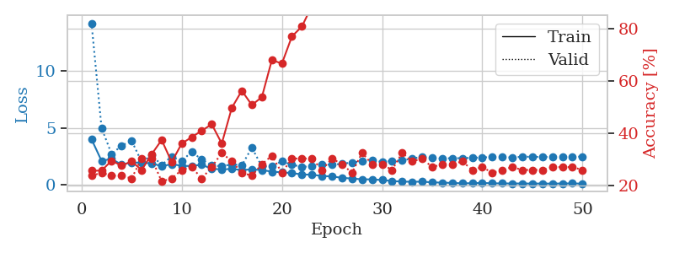
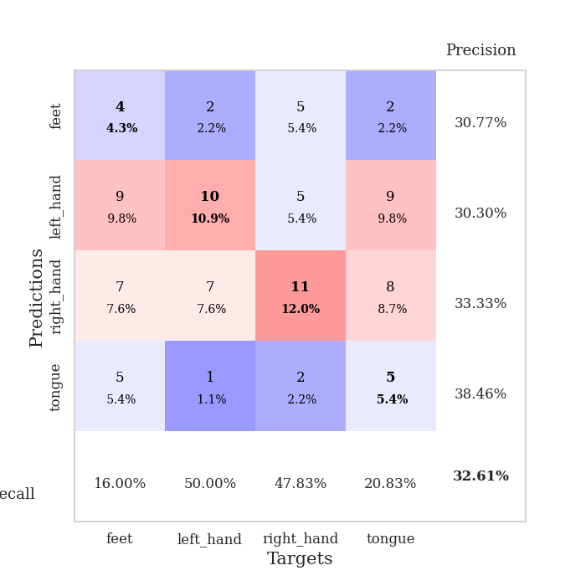
train_loss | valid_loss | train_accuracy | valid_accuracy | dur | train_misclass | valid_misclass
4.0103364354 | 14.173152633 | 0.25815217391 | 0.23913043478 | 0.1052377224 | 25.815217391 | 23.913043478
2.1227547138 | 5.0105396768 | 0.25815217391 | 0.25 | 0.10509061813 | 25.815217391 | 25
2.2899130894 | 2.719034594 | 0.29619565217 | 0.23913043478 | 0.11101984978 | 29.619565217 | 23.913043478
1.788596117 | 3.4500252941 | 0.27717391304 | 0.23913043478 | 0.10534667969 | 27.717391304 | 23.913043478
1.9888655103 | 3.8866976292 | 0.29347826087 | 0.22826086957 | 0.11175704002 | 29.347826087 | 22.826086957
1.9457355686 | 2.036291138 | 0.26086956522 | 0.30434782609 | 0.1055059433 | 26.086956522 | 30.434782609
1.9104099636 | 2.605495966 | 0.32065217391 | 0.30434782609 | 0.10979294777 | 32.065217391 | 30.434782609
1.6473822231 | 1.7662766291 | 0.375 | 0.21739130435 | 0.10546159744 | 37.5 | 21.739130435
1.8383127088 | 2.5014313252 | 0.29076086957 | 0.22826086957 | 0.10751819611 | 29.076086957 | 22.826086957
1.6875243446 | 2.0828095934 | 0.36141304348 | 0.26086956522 | 0.10407805443 | 36.141304348 | 26.086956522
1.6622231551 | 2.9400356127 | 0.38586956522 | 0.27173913043 | 0.10614061356 | 38.586956522 | 27.173913043
1.7929030087 | 2.2194982974 | 0.41032608696 | 0.22826086957 | 0.11035275459 | 41.032608696 | 22.826086957
1.4119919875 | 1.7462607415 | 0.4347826087 | 0.27173913043 | 0.10583567619 | 43.47826087 | 27.173913043
1.385299211 | 1.628225539 | 0.36141304348 | 0.32608695652 | 0.1094121933 | 36.141304348 | 32.608695652
1.4048034782 | 1.8336637798 | 0.4972826087 | 0.29347826087 | 0.10916638374 | 49.72826087 | 29.347826087
1.325639761 | 1.7223314151 | 0.5625 | 0.25 | 0.11098861694 | 56.25 | 25
1.36897226 | 3.2777738001 | 0.50815217391 | 0.23913043478 | 0.10519838333 | 50.815217391 | 23.913043478
1.3207064349 | 1.636921157 | 0.53804347826 | 0.28260869565 | 0.10252761841 | 53.804347826 | 28.260869565
1.1750321855 | 1.6359123562 | 0.67934782609 | 0.3152173913 | 0.1130695343 | 67.934782609 | 31.52173913
1.1174624873 | 2.0915517962 | 0.66576086957 | 0.25 | 0.11172389984 | 66.576086957 | 25
1.0481023814 | 1.7690737403 | 0.76902173913 | 0.30434782609 | 0.10546374321 | 76.902173913 | 30.434782609
0.93296329612 | 1.6071338705 | 0.80706521739 | 0.30434782609 | 0.10965013504 | 80.706521739 | 30.434782609
0.90635770818 | 1.6228429546 | 0.88586956522 | 0.30434782609 | 0.1081597805 | 88.586956522 | 30.434782609
0.79843436376 | 1.8091690696 | 0.91847826087 | 0.26086956522 | 0.11019539833 | 91.847826087 | 26.086956522
0.7520777 | 1.7820211545 | 0.94836956522 | 0.30434782609 | 0.10200166702 | 94.836956522 | 30.434782609
0.6377416888 | 1.8591822593 | 0.91576086957 | 0.28260869565 | 0.11113977432 | 91.576086957 | 28.260869565
0.57001123221 | 1.9826894688 | 0.97826086957 | 0.25 | 0.11308407784 | 97.826086957 | 25
0.50782108825 | 2.0720252783 | 0.99184782609 | 0.32608695652 | 0.10822057724 | 99.184782609 | 32.608695652
0.49720787289 | 2.1415114714 | 0.99456521739 | 0.28260869565 | 0.11117935181 | 99.456521739 | 28.260869565
0.44247656024 | 2.0381153044 | 0.98369565217 | 0.28260869565 | 0.10585713387 | 98.369565217 | 28.260869565
0.35471377489 | 2.131193897 | 0.9972826087 | 0.26086956522 | 0.10924696922 | 99.72826087 | 26.086956522
0.30414408769 | 2.1438188242 | 0.9972826087 | 0.32608695652 | 0.10704874992 | 99.72826087 | 32.608695652
0.28882511284 | 2.3347512017 | 1 | 0.29347826087 | 0.10511875153 | 100 | 29.347826087
0.29988541033 | 2.454527461 | 1 | 0.30434782609 | 0.10630130768 | 100 | 30.434782609
0.23785622839 | 2.3758383523 | 1 | 0.27173913043 | 0.11123609543 | 100 | 27.173913043
0.2135520869 | 2.3316473546 | 1 | 0.28260869565 | 0.10801839828 | 100 | 28.260869565
0.18716636041 | 2.3584474377 | 1 | 0.28260869565 | 0.10623908043 | 100 | 28.260869565
0.15382420045 | 2.3570090999 | 1 | 0.29347826087 | 0.10800552368 | 100 | 29.347826087
0.16465899996 | 2.3896951364 | 1 | 0.26086956522 | 0.10825514793 | 100 | 26.086956522
0.190979012 | 2.4183706201 | 1 | 0.27173913043 | 0.10534477234 | 100 | 27.173913043
0.1541760431 | 2.4613179642 | 1 | 0.25 | 0.10486006737 | 100 | 25
0.14853554851 | 2.4342383094 | 1 | 0.26086956522 | 0.11211848259 | 100 | 26.086956522
0.13853579112 | 2.4267401799 | 1 | 0.27173913043 | 0.10747027397 | 100 | 27.173913043
0.14164956173 | 2.4791409555 | 1 | 0.26086956522 | 0.10513854027 | 100 | 26.086956522
0.13062703674 | 2.4796881779 | 1 | 0.26086956522 | 0.10798144341 | 100 | 26.086956522
0.13805100095 | 2.456985484 | 1 | 0.26086956522 | 0.10808253288 | 100 | 26.086956522
0.1267617353 | 2.4704181837 | 1 | 0.27173913043 | 0.10794758797 | 100 | 27.173913043
0.14318173492 | 2.4748403715 | 1 | 0.27173913043 | 0.10544252396 | 100 | 27.173913043
0.14510913679 | 2.4896329797 | 1 | 0.27173913043 | 0.10949659348 | 100 | 27.173913043
0.12700118027 | 2.4907781352 | 1 | 0.26086956522 | 0.10988068581 | 100 | 26.086956522

Best Val accuracy is 0.32608695652173914 and Best test accuracy is 0.25862068965517243

