Sheet
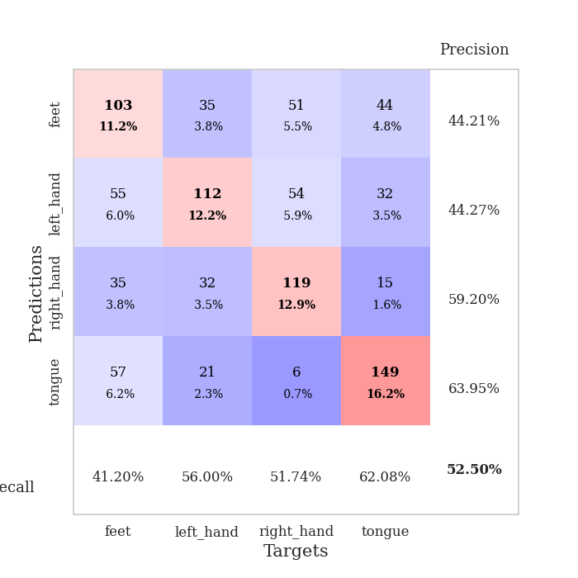
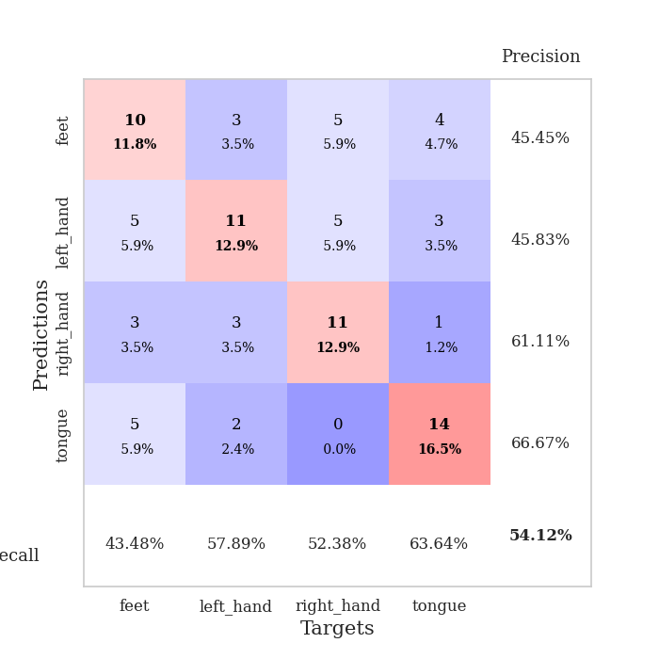
best_val_acc | best_val_los | best_test_acc
0.45652173913 | 1.5487215571 | 0.46551724138
0.5 | 1.4587349633 | 0.43103448276
0.46739130435 | 1.3432952425 | 0.46551724138
0.54347826087 | 1.4212566562 | 0.48275862069
0.54347826087 | 1.3716591389 | 0.44827586207
0.51086956522 | 1.4710672213 | 0.47413793103
0.58695652174 | 1.3044240008 | 0.49137931034
0.53260869565 | 1.4573724166 | 0.52586206897
0.51086956522 | 1.5498786646 | 0.5
0.59782608696 | 1.269886701 | 0.5

Mean,std Val accuracy is 0.525 , 0.045844430689526476 and mean, std test accuracy is 0.47844827586206895 , 0.02763704606561975

Sheet1
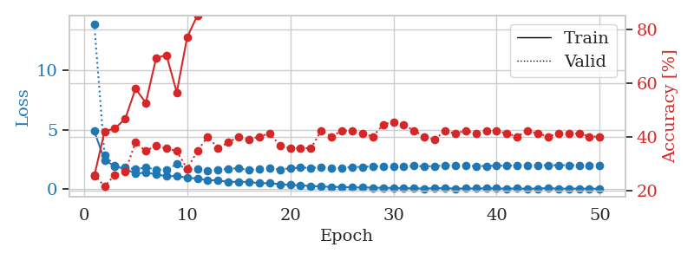
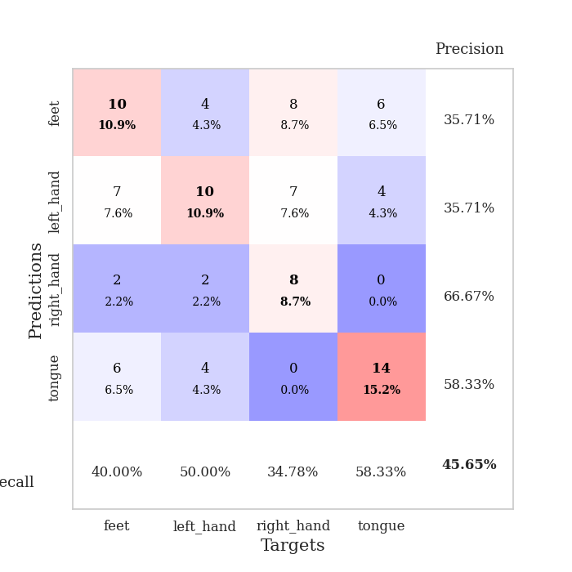
train_loss | valid_loss | train_accuracy | valid_accuracy | dur | train_misclass | valid_misclass
4.8889690067 | 13.892131515 | 0.25543478261 | 0.26086956522 | 0.11583805084 | 25.543478261 | 26.086956522
2.4185301428 | 2.8245153738 | 0.42119565217 | 0.21739130435 | 0.11103820801 | 42.119565217 | 21.739130435
1.9411120778 | 1.996523344 | 0.43206521739 | 0.26086956522 | 0.10465455055 | 43.206521739 | 26.086956522
1.6863120224 | 1.8027856713 | 0.46739130435 | 0.27173913043 | 0.10164928436 | 46.739130435 | 27.173913043
1.3070018758 | 1.6785986734 | 0.57880434783 | 0.38043478261 | 0.11068081856 | 57.880434783 | 38.043478261
1.3928014843 | 1.8183103282 | 0.52717391304 | 0.34782608696 | 0.11214828491 | 52.717391304 | 34.782608696
1.2509655849 | 1.650492834 | 0.69293478261 | 0.36956521739 | 0.11049246788 | 69.293478261 | 36.956521739
1.0762641689 | 1.6282832934 | 0.70380434783 | 0.35869565217 | 0.10548043251 | 70.380434783 | 35.869565217
1.1102138732 | 2.0958675975 | 0.5652173913 | 0.34782608696 | 0.10574221611 | 56.52173913 | 34.782608696
0.95253584696 | 1.6967680765 | 0.76902173913 | 0.28260869565 | 0.10545492172 | 76.902173913 | 28.260869565
0.89389052987 | 1.6949299056 | 0.85054347826 | 0.34782608696 | 0.10887789726 | 85.054347826 | 34.782608696
0.74906280507 | 1.5487215571 | 0.88315217391 | 0.40217391304 | 0.11273169518 | 88.315217391 | 40.217391304
0.75256412703 | 1.6402404671 | 0.89130434783 | 0.35869565217 | 0.11699676514 | 89.130434783 | 35.869565217
0.59213267072 | 1.7086902857 | 0.91847826087 | 0.38043478261 | 0.10522699356 | 91.847826087 | 38.043478261
0.63013853003 | 1.7655832508 | 0.93206521739 | 0.40217391304 | 0.10824418068 | 93.206521739 | 40.217391304
0.59423551093 | 1.5955614629 | 0.96467391304 | 0.39130434783 | 0.10788083076 | 96.467391304 | 39.130434783
0.50784619995 | 1.7089716041 | 0.97826086957 | 0.40217391304 | 0.10556054115 | 97.826086957 | 40.217391304
0.50216232499 | 1.7599717638 | 0.96467391304 | 0.41304347826 | 0.10863947868 | 96.467391304 | 41.304347826
0.41618320929 | 1.6337605196 | 0.98641304348 | 0.36956521739 | 0.11066675186 | 98.641304348 | 36.956521739
0.34962272255 | 1.753193819 | 0.98913043478 | 0.35869565217 | 0.11535692215 | 98.913043478 | 35.869565217
0.31581591653 | 1.8076948135 | 1 | 0.35869565217 | 0.10996484756 | 100 | 35.869565217
0.26190890113 | 1.7875389638 | 0.99184782609 | 0.35869565217 | 0.10832190514 | 99.184782609 | 35.869565217
0.22414923103 | 1.828596224 | 1 | 0.42391304348 | 0.10515165329 | 100 | 42.391304348
0.17840717765 | 1.7628627031 | 1 | 0.40217391304 | 0.1113474369 | 100 | 40.217391304
0.18691848688 | 1.7808882309 | 1 | 0.42391304348 | 0.10813736916 | 100 | 42.391304348
0.13510532305 | 1.8589434572 | 1 | 0.42391304348 | 0.1152536869 | 100 | 42.391304348
0.14931271484 | 1.8666434029 | 1 | 0.41304347826 | 0.10502052307 | 100 | 41.304347826
0.12450378226 | 1.9347477426 | 1 | 0.40217391304 | 0.10969686508 | 100 | 40.217391304
0.11751818406 | 1.8905214019 | 1 | 0.44565217391 | 0.10172700882 | 100 | 44.565217391
0.10047725353 | 1.9120095761 | 1 | 0.45652173913 | 0.11075425148 | 100 | 45.652173913
0.083130073045 | 1.9174612035 | 1 | 0.44565217391 | 0.10396671295 | 100 | 44.565217391
0.067185961682 | 1.9501934622 | 1 | 0.42391304348 | 0.10504889488 | 100 | 42.391304348
0.051258509898 | 1.917613667 | 1 | 0.40217391304 | 0.11395812035 | 100 | 40.217391304
0.081945762767 | 1.9222404594 | 1 | 0.39130434783 | 0.1078722477 | 100 | 39.130434783
0.085708262642 | 1.9971712931 | 1 | 0.42391304348 | 0.1024620533 | 100 | 42.391304348
0.051413624628 | 2.0096972455 | 1 | 0.41304347826 | 0.1150033474 | 100 | 41.304347826
0.055509448861 | 1.9634234542 | 1 | 0.42391304348 | 0.1040968895 | 100 | 42.391304348
0.062519830935 | 1.9348032319 | 1 | 0.41304347826 | 0.10780882835 | 100 | 41.304347826
0.067416987179 | 1.9451070868 | 1 | 0.42391304348 | 0.11334037781 | 100 | 42.391304348
0.062987172612 | 1.9667855398 | 1 | 0.42391304348 | 0.10882377625 | 100 | 42.391304348
0.047077980581 | 1.9772223338 | 1 | 0.41304347826 | 0.10216164589 | 100 | 41.304347826
0.060911600033 | 1.994540624 | 1 | 0.40217391304 | 0.10493469238 | 100 | 40.217391304
0.03620348887 | 1.9997847961 | 1 | 0.42391304348 | 0.1070394516 | 100 | 42.391304348
0.053576800162 | 2.0137087832 | 1 | 0.41304347826 | 0.10463356972 | 100 | 41.304347826
0.086287588084 | 2.0082217766 | 1 | 0.40217391304 | 0.10926771164 | 100 | 40.217391304
0.040442144093 | 2.008995844 | 1 | 0.41304347826 | 0.10906243324 | 100 | 41.304347826
0.046713474409 | 2.0199273617 | 1 | 0.41304347826 | 0.11075520515 | 100 | 41.304347826
0.046093179237 | 2.0110481148 | 1 | 0.41304347826 | 0.10947203636 | 100 | 41.304347826
0.038316485594 | 2.0063140133 | 1 | 0.40217391304 | 0.10679507256 | 100 | 40.217391304
0.038454910801 | 2.0098996836 | 1 | 0.40217391304 | 0.10611510277 | 100 | 40.217391304

Best Val accuracy is 0.45652173913043476 and Best test accuracy is 0.46551724137931033

Sheet2
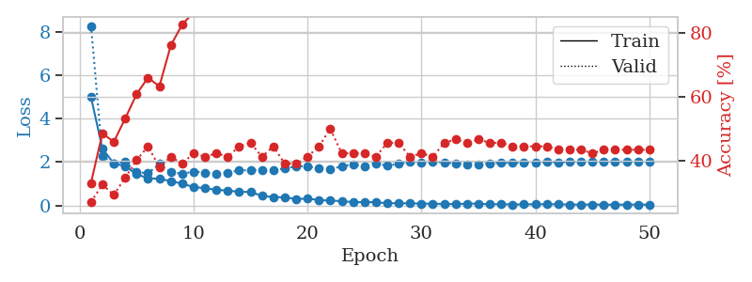
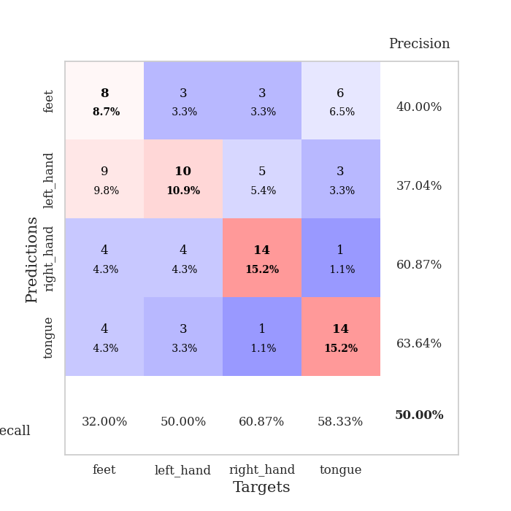
train_loss | valid_loss | train_accuracy | valid_accuracy | dur | train_misclass | valid_misclass
4.9918375015 | 8.2851138737 | 0.33152173913 | 0.27173913043 | 0.11046123505 | 33.152173913 | 27.173913043
2.6183966087 | 2.2825584723 | 0.48641304348 | 0.32608695652 | 0.11236429214 | 48.641304348 | 32.608695652
1.9336167755 | 1.9193275182 | 0.45923913043 | 0.29347826087 | 0.10400390625 | 45.923913043 | 29.347826087
1.8092526094 | 2.005061813 | 0.53260869565 | 0.34782608696 | 0.10936737061 | 53.260869565 | 34.782608696
1.4370290404 | 1.5479997915 | 0.60869565217 | 0.40217391304 | 0.10976433754 | 60.869565217 | 40.217391304
1.2567804352 | 1.4765140026 | 0.66032608696 | 0.44565217391 | 0.10797762871 | 66.032608696 | 44.565217391
1.2264392402 | 1.916345446 | 0.63315217391 | 0.38043478261 | 0.10872387886 | 63.315217391 | 38.043478261
1.1248705646 | 1.5356715814 | 0.76086956522 | 0.41304347826 | 0.10904455185 | 76.086956522 | 41.304347826
1.0005978838 | 1.4587349633 | 0.82608695652 | 0.39130434783 | 0.11387395859 | 82.608695652 | 39.130434783
0.85223837002 | 1.5611139225 | 0.86413043478 | 0.42391304348 | 0.10509419441 | 86.413043478 | 42.391304348
0.79331896616 | 1.5152647392 | 0.88043478261 | 0.41304347826 | 0.11027789116 | 88.043478261 | 41.304347826
0.71806210668 | 1.464745252 | 0.9402173913 | 0.42391304348 | 0.11138534546 | 94.02173913 | 42.391304348
0.68456647059 | 1.4996747711 | 0.93206521739 | 0.41304347826 | 0.10627317429 | 93.206521739 | 41.304347826
0.63047706563 | 1.624775021 | 0.94836956522 | 0.44565217391 | 0.10229754448 | 94.836956522 | 44.565217391
0.61806335786 | 1.610801137 | 0.96739130435 | 0.45652173913 | 0.10848760605 | 96.739130435 | 45.652173913
0.44276613062 | 1.6313369119 | 0.96467391304 | 0.41304347826 | 0.10565876961 | 96.467391304 | 41.304347826
0.38255989163 | 1.6176452689 | 0.99184782609 | 0.44565217391 | 0.10802841187 | 99.184782609 | 44.565217391
0.37389816473 | 1.7103865872 | 0.99456521739 | 0.39130434783 | 0.10803461075 | 99.456521739 | 39.130434783
0.29685826535 | 1.8033442912 | 0.9972826087 | 0.39130434783 | 0.11113190651 | 99.72826087 | 39.130434783
0.31055975867 | 1.8160068522 | 1 | 0.41304347826 | 0.10619688034 | 100 | 41.304347826
0.25120217483 | 1.6980063708 | 1 | 0.44565217391 | 0.11013507843 | 100 | 44.565217391
0.21923415087 | 1.66137389 | 1 | 0.5 | 0.10663604736 | 100 | 50
0.20015972075 | 1.8068325053 | 1 | 0.42391304348 | 0.11347341537 | 100 | 42.391304348
0.14693758135 | 1.8878535136 | 1 | 0.42391304348 | 0.10509419441 | 100 | 42.391304348
0.15377998336 | 1.8145332388 | 1 | 0.42391304348 | 0.11020588875 | 100 | 42.391304348
0.14778238276 | 1.9449953204 | 1 | 0.41304347826 | 0.11549091339 | 100 | 41.304347826
0.10001961701 | 1.8302756652 | 1 | 0.45652173913 | 0.10861635208 | 100 | 45.652173913
0.097687445095 | 1.9189444573 | 1 | 0.45652173913 | 0.10938286781 | 100 | 45.652173913
0.096559760849 | 2.0042074919 | 1 | 0.41304347826 | 0.10661435127 | 100 | 41.304347826
0.080147391388 | 1.960455625 | 1 | 0.42391304348 | 0.11081790924 | 100 | 42.391304348
0.07900261717 | 2.0196962305 | 1 | 0.41304347826 | 0.10727596283 | 100 | 41.304347826
0.066626635987 | 1.9864263172 | 1 | 0.45652173913 | 0.10545802116 | 100 | 45.652173913
0.063169675353 | 1.9195698655 | 1 | 0.46739130435 | 0.11198186874 | 100 | 46.739130435
0.079318242026 | 1.9020961627 | 1 | 0.45652173913 | 0.10616397858 | 100 | 45.652173913
0.086256659792 | 1.8883497456 | 1 | 0.46739130435 | 0.10931062698 | 100 | 46.739130435
0.047915086677 | 1.9426768552 | 1 | 0.45652173913 | 0.10826992989 | 100 | 45.652173913
0.063756723524 | 1.962656472 | 1 | 0.45652173913 | 0.10786986351 | 100 | 45.652173913
0.039278989941 | 1.9616541033 | 1 | 0.44565217391 | 0.11648201942 | 100 | 44.565217391
0.049766042533 | 1.9644501987 | 1 | 0.44565217391 | 0.10480594635 | 100 | 44.565217391
0.05135304578 | 1.9773592586 | 1 | 0.44565217391 | 0.10994815826 | 100 | 44.565217391
0.054152802402 | 1.9996412785 | 1 | 0.44565217391 | 0.11463880539 | 100 | 44.565217391
0.052539617876 | 1.9961280356 | 1 | 0.4347826087 | 0.10863232613 | 100 | 43.47826087
0.039065334501 | 2.007989474 | 1 | 0.4347826087 | 0.11225986481 | 100 | 43.47826087
0.039755977974 | 2.0331038444 | 1 | 0.4347826087 | 0.1127166748 | 100 | 43.47826087
0.041198714069 | 2.0299871227 | 1 | 0.42391304348 | 0.10934376717 | 100 | 42.391304348
0.035326792089 | 2.0293985035 | 1 | 0.4347826087 | 0.10880994797 | 100 | 43.47826087
0.034187685901 | 2.0296592557 | 1 | 0.4347826087 | 0.10978078842 | 100 | 43.47826087
0.03480658332 | 2.0228005855 | 1 | 0.4347826087 | 0.10599589348 | 100 | 43.47826087
0.040560656875 | 2.0299843653 | 1 | 0.4347826087 | 0.11210155487 | 100 | 43.47826087
0.034739534006 | 2.0319746836 | 1 | 0.4347826087 | 0.10298657417 | 100 | 43.47826087

Best Val accuracy is 0.5 and Best test accuracy is 0.43103448275862066

Sheet3
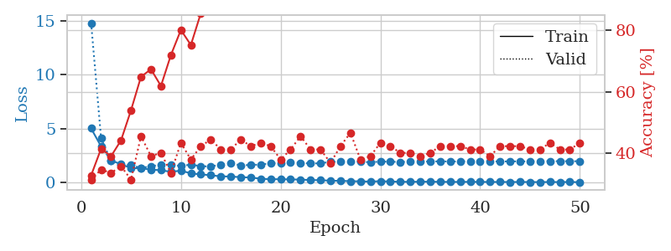
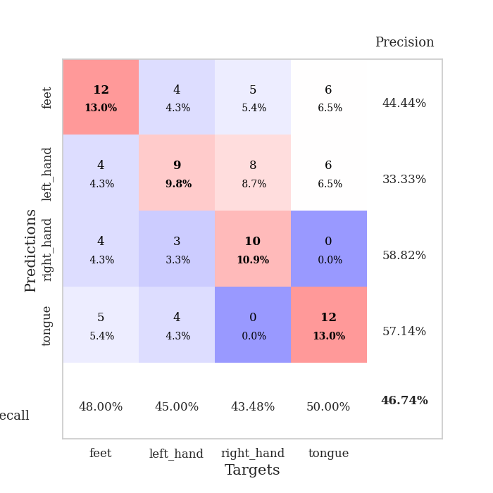
train_loss | valid_loss | train_accuracy | valid_accuracy | dur | train_misclass | valid_misclass
5.0226846571 | 14.807308529 | 0.32880434783 | 0.3152173913 | 0.11033368111 | 32.880434783 | 31.52173913
3.351587223 | 4.0974826605 | 0.41576086957 | 0.34782608696 | 0.10830998421 | 41.576086957 | 34.782608696
2.0558322098 | 1.9960546079 | 0.39130434783 | 0.33695652174 | 0.11130213737 | 39.130434783 | 33.695652174
1.6941999042 | 1.6425400972 | 0.44293478261 | 0.35869565217 | 0.1060860157 | 44.293478261 | 35.869565217
1.3392556543 | 1.6144934167 | 0.54076086957 | 0.3152173913 | 0.10307359695 | 54.076086957 | 31.52173913
1.3191349662 | 1.3432952425 | 0.64945652174 | 0.45652173913 | 0.11199879646 | 64.945652174 | 45.652173913
1.1973919609 | 1.5132816356 | 0.67391304348 | 0.39130434783 | 0.10570192337 | 67.391304348 | 39.130434783
1.1409809693 | 1.6494785962 | 0.61956521739 | 0.40217391304 | 0.1089630127 | 61.956521739 | 40.217391304
0.9903433608 | 1.643527316 | 0.72010869565 | 0.33695652174 | 0.11313438416 | 72.010869565 | 33.695652174
1.1060042796 | 1.5331867415 | 0.80163043478 | 0.4347826087 | 0.11523318291 | 80.163043478 | 43.47826087
0.84723560706 | 1.6630252548 | 0.7527173913 | 0.38043478261 | 0.11256718636 | 75.27173913 | 38.043478261
0.75506377479 | 1.5154664205 | 0.85597826087 | 0.42391304348 | 0.10572338104 | 85.597826087 | 42.391304348
0.67366612346 | 1.4929843726 | 0.9402173913 | 0.44565217391 | 0.10591387749 | 94.02173913 | 44.565217391
0.57270795625 | 1.6617343892 | 0.97826086957 | 0.41304347826 | 0.10474610329 | 97.826086957 | 41.304347826
0.55601901723 | 1.7698712245 | 0.9375 | 0.41304347826 | 0.10570383072 | 93.75 | 41.304347826
0.49593809247 | 1.5994148876 | 0.96467391304 | 0.44565217391 | 0.10949397087 | 96.467391304 | 44.565217391
0.46311838277 | 1.6253162519 | 0.97554347826 | 0.42391304348 | 0.11487364769 | 97.554347826 | 42.391304348
0.35467844748 | 1.6705375599 | 0.98097826087 | 0.4347826087 | 0.10943579674 | 98.097826087 | 43.47826087
0.30272454995 | 1.784327507 | 0.99456521739 | 0.42391304348 | 0.10590457916 | 99.456521739 | 42.391304348
0.31277825424 | 1.8093915245 | 0.9972826087 | 0.38043478261 | 0.11443948746 | 99.72826087 | 38.043478261
0.28693930189 | 1.8620335693 | 0.99184782609 | 0.41304347826 | 0.1075797081 | 99.184782609 | 41.304347826
0.27365579003 | 1.833768715 | 0.98913043478 | 0.45652173913 | 0.10589003563 | 98.913043478 | 45.652173913
0.22911171 | 1.7594609312 | 0.9972826087 | 0.41304347826 | 0.10991811752 | 99.72826087 | 41.304347826
0.22052609726 | 1.7926847002 | 0.9972826087 | 0.41304347826 | 0.11334776878 | 99.72826087 | 41.304347826
0.16785900149 | 1.9158328512 | 0.9972826087 | 0.36956521739 | 0.10497784615 | 99.72826087 | 36.956521739
0.15743975277 | 1.9345420081 | 1 | 0.42391304348 | 0.10840296745 | 100 | 42.391304348
0.12607017864 | 1.9156375605 | 1 | 0.46739130435 | 0.11574149132 | 100 | 46.739130435
0.10779963175 | 1.942335077 | 1 | 0.38043478261 | 0.10780239105 | 100 | 38.043478261
0.088772713875 | 1.8769746811 | 1 | 0.39130434783 | 0.10929322243 | 100 | 39.130434783
0.12434315908 | 1.9452645779 | 1 | 0.4347826087 | 0.11056804657 | 100 | 43.47826087
0.09281064246 | 1.9336435847 | 1 | 0.42391304348 | 0.11189389229 | 100 | 42.391304348
0.068690395712 | 1.905170477 | 1 | 0.40217391304 | 0.11287784576 | 100 | 40.217391304
0.062691569652 | 1.9375491764 | 1 | 0.40217391304 | 0.11177253723 | 100 | 40.217391304
0.075418577003 | 1.9591830347 | 1 | 0.39130434783 | 0.11309528351 | 100 | 39.130434783
0.075630664744 | 1.943158782 | 1 | 0.40217391304 | 0.10580706596 | 100 | 40.217391304
0.065115168002 | 1.9728252629 | 1 | 0.42391304348 | 0.10550332069 | 100 | 42.391304348
0.056116056305 | 1.9447268766 | 1 | 0.42391304348 | 0.10907959938 | 100 | 42.391304348
0.057340001444 | 1.9599393554 | 1 | 0.42391304348 | 0.11521577835 | 100 | 42.391304348
0.063144070987 | 1.9804268868 | 1 | 0.41304347826 | 0.10825037956 | 100 | 41.304347826
0.05774971616 | 1.9595149704 | 1 | 0.41304347826 | 0.1060526371 | 100 | 41.304347826
0.052059737965 | 1.9703736564 | 1 | 0.39130434783 | 0.10603427887 | 100 | 39.130434783
0.052740398592 | 1.9471943534 | 1 | 0.42391304348 | 0.10506343842 | 100 | 42.391304348
0.048896940061 | 1.966562722 | 1 | 0.42391304348 | 0.10480308533 | 100 | 42.391304348
0.051585140314 | 1.9609865883 | 1 | 0.42391304348 | 0.10298657417 | 100 | 42.391304348
0.048003538431 | 1.9616651172 | 1 | 0.41304347826 | 0.10897612572 | 100 | 41.304347826
0.039297559258 | 1.9747840995 | 1 | 0.41304347826 | 0.1161210537 | 100 | 41.304347826
0.049972201455 | 1.9820010766 | 1 | 0.4347826087 | 0.10486507416 | 100 | 43.47826087
0.041795613568 | 1.9783493125 | 1 | 0.41304347826 | 0.11154198647 | 100 | 41.304347826
0.051272587891 | 1.981033092 | 1 | 0.41304347826 | 0.11108422279 | 100 | 41.304347826
0.031362213255 | 1.974503512 | 1 | 0.4347826087 | 0.10953569412 | 100 | 43.47826087

Best Val accuracy is 0.4673913043478261 and Best test accuracy is 0.46551724137931033

Sheet4
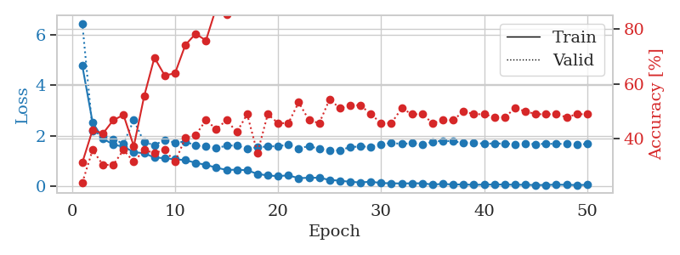
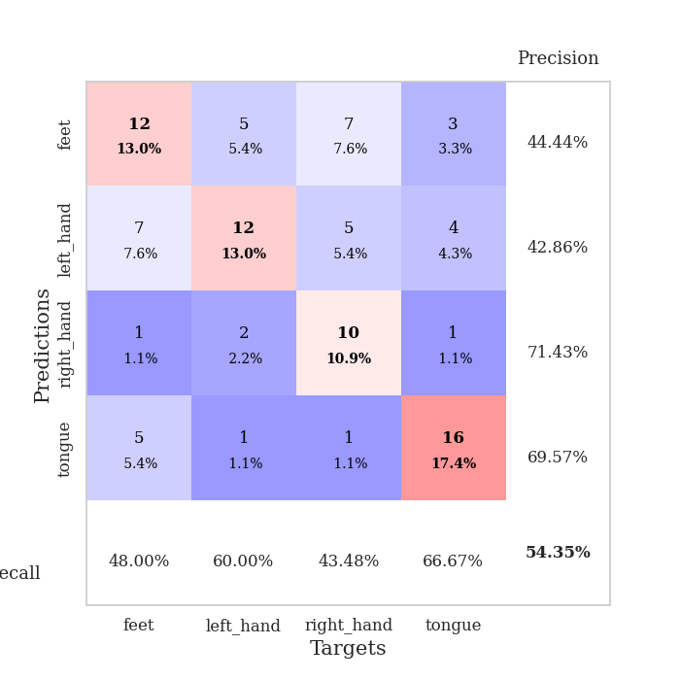
train_loss | valid_loss | train_accuracy | valid_accuracy | dur | train_misclass | valid_misclass
4.7855059271 | 6.4589878787 | 0.3125 | 0.23913043478 | 0.10840010643 | 31.25 | 23.913043478
2.5309309286 | 2.1998295629 | 0.43206521739 | 0.35869565217 | 0.10864186287 | 43.206521739 | 35.869565217
1.8910278237 | 1.9850005896 | 0.41847826087 | 0.30434782609 | 0.11201953888 | 41.847826087 | 30.434782609
1.6565683303 | 1.8709149568 | 0.46739130435 | 0.30434782609 | 0.10495781898 | 46.739130435 | 30.434782609
1.5706662173 | 1.6935596103 | 0.48641304348 | 0.35869565217 | 0.11358237267 | 48.641304348 | 35.869565217
1.3593172483 | 2.629871555 | 0.3722826087 | 0.3152173913 | 0.11045670509 | 37.22826087 | 31.52173913
1.3097919614 | 1.7427000326 | 0.55434782609 | 0.35869565217 | 0.10220146179 | 55.434782609 | 35.869565217
1.1450812091 | 1.6391845216 | 0.69565217391 | 0.34782608696 | 0.10208678246 | 69.565217391 | 34.782608696
1.1148519386 | 1.8330083671 | 0.63043478261 | 0.35869565217 | 0.10287499428 | 63.043478261 | 35.869565217
1.0711188005 | 1.7339865488 | 0.63858695652 | 0.3152173913 | 0.10302376747 | 63.858695652 | 31.52173913
1.0401387642 | 1.7710032048 | 0.74184782609 | 0.40217391304 | 0.10383558273 | 74.184782609 | 40.217391304
0.93256342411 | 1.6215402924 | 0.78260869565 | 0.41304347826 | 0.10142564774 | 78.260869565 | 41.304347826
0.85119322331 | 1.5777270431 | 0.75815217391 | 0.46739130435 | 0.10534834862 | 75.815217391 | 46.739130435
0.74183054333 | 1.5088304489 | 0.8777173913 | 0.4347826087 | 0.10777544975 | 87.77173913 | 43.47826087
0.64911549765 | 1.6150330461 | 0.85326086957 | 0.46739130435 | 0.10973954201 | 85.326086957 | 46.739130435
0.66073893205 | 1.6191953161 | 0.89945652174 | 0.42391304348 | 0.1092607975 | 89.945652174 | 42.391304348
0.63722199072 | 1.4812164773 | 0.93206521739 | 0.48913043478 | 0.10554599762 | 93.206521739 | 48.913043478
0.49244275171 | 1.5568500446 | 0.95380434783 | 0.34782608696 | 0.10535478592 | 95.380434783 | 34.782608696
0.43171137571 | 1.5751261296 | 0.98369565217 | 0.48913043478 | 0.10558056831 | 98.369565217 | 48.913043478
0.4040088077 | 1.5978276989 | 0.98913043478 | 0.45652173913 | 0.10304927826 | 98.913043478 | 45.652173913
0.43690827683 | 1.6418916868 | 0.98913043478 | 0.45652173913 | 0.1047501564 | 98.913043478 | 45.652173913
0.32280580311 | 1.4917115284 | 0.99456521739 | 0.53260869565 | 0.10489749908 | 99.456521739 | 53.260869565
0.34192791225 | 1.6034962768 | 0.9972826087 | 0.46739130435 | 0.10646891594 | 99.72826087 | 46.739130435
0.33917628293 | 1.4761514923 | 1 | 0.45652173913 | 0.10311388969 | 100 | 45.652173913
0.25579045616 | 1.4212566562 | 0.99456521739 | 0.54347826087 | 0.10802102089 | 99.456521739 | 54.347826087
0.22385331535 | 1.426573603 | 0.9972826087 | 0.51086956522 | 0.11296367645 | 99.72826087 | 51.086956522
0.17955064012 | 1.5576703497 | 1 | 0.52173913043 | 0.10894227028 | 100 | 52.173913043
0.15415628935 | 1.577458107 | 1 | 0.52173913043 | 0.10581278801 | 100 | 52.173913043
0.18616997353 | 1.5725429836 | 1 | 0.48913043478 | 0.11303567886 | 100 | 48.913043478
0.12965808371 | 1.6522097225 | 1 | 0.45652173913 | 0.11125397682 | 100 | 45.652173913
0.12292299711 | 1.7281006782 | 1 | 0.45652173913 | 0.11556744576 | 100 | 45.652173913
0.1123555463 | 1.6753654635 | 1 | 0.51086956522 | 0.11482644081 | 100 | 51.086956522
0.12067462601 | 1.7160658163 | 1 | 0.48913043478 | 0.10397982597 | 100 | 48.913043478
0.1196024907 | 1.6566769144 | 1 | 0.48913043478 | 0.10505962372 | 100 | 48.913043478
0.071951277433 | 1.760837301 | 1 | 0.45652173913 | 0.11083865166 | 100 | 45.652173913
0.096392250984 | 1.8085804452 | 1 | 0.46739130435 | 0.10579013824 | 100 | 46.739130435
0.072840610843 | 1.7797237065 | 1 | 0.46739130435 | 0.10555076599 | 100 | 46.739130435
0.078756726387 | 1.7264628151 | 1 | 0.5 | 0.10639119148 | 100 | 50
0.057887705205 | 1.7341677676 | 1 | 0.48913043478 | 0.1100590229 | 100 | 48.913043478
0.071567305242 | 1.6879864309 | 1 | 0.48913043478 | 0.10896253586 | 100 | 48.913043478
0.0706983944 | 1.7029255162 | 1 | 0.47826086957 | 0.10847759247 | 100 | 47.826086957
0.07335752018 | 1.6916521425 | 1 | 0.47826086957 | 0.1063876152 | 100 | 47.826086957
0.061303067386 | 1.6725360933 | 1 | 0.51086956522 | 0.10579395294 | 100 | 51.086956522
0.06426023206 | 1.6874517669 | 1 | 0.5 | 0.10597896576 | 100 | 50
0.049741595174 | 1.6744371497 | 1 | 0.48913043478 | 0.1083304882 | 100 | 48.913043478
0.05613673774 | 1.6856414339 | 1 | 0.48913043478 | 0.10587882996 | 100 | 48.913043478
0.067874498908 | 1.6866214949 | 1 | 0.48913043478 | 0.10497999191 | 100 | 48.913043478
0.059673102613 | 1.678442644 | 1 | 0.47826086957 | 0.10650134087 | 100 | 47.826086957
0.052181107599 | 1.6629061025 | 1 | 0.48913043478 | 0.1060833931 | 100 | 48.913043478
0.05965227654 | 1.6786604912 | 1 | 0.48913043478 | 0.11297917366 | 100 | 48.913043478

Best Val accuracy is 0.5434782608695652 and Best test accuracy is 0.4827586206896552

Sheet5
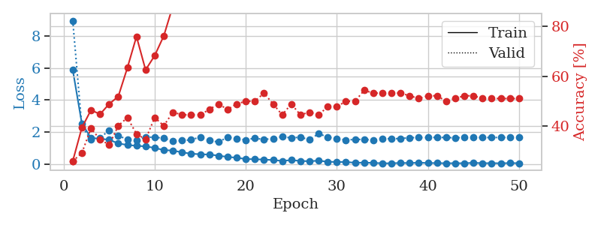
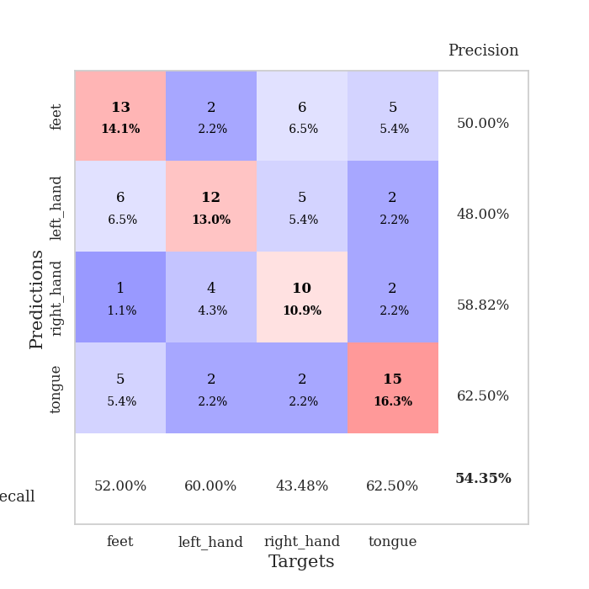
train_loss | valid_loss | train_accuracy | valid_accuracy | dur | train_misclass | valid_misclass
5.8892938261 | 8.9626466088 | 0.26086956522 | 0.26086956522 | 0.10907244682 | 26.086956522 | 26.086956522
2.5308538934 | 2.3347248098 | 0.39402173913 | 0.29347826087 | 0.11165595055 | 39.402173913 | 29.347826087
1.63073703 | 1.5295818163 | 0.46467391304 | 0.39130434783 | 0.10331892967 | 46.467391304 | 39.130434783
1.5741763219 | 1.6456316295 | 0.44836956522 | 0.34782608696 | 0.1066634655 | 44.836956522 | 34.782608696
1.5159216368 | 2.0907369023 | 0.48913043478 | 0.32608695652 | 0.10280299187 | 48.913043478 | 32.608695652
1.2820836928 | 1.7619974561 | 0.51902173913 | 0.40217391304 | 0.10161209106 | 51.902173913 | 40.217391304
1.18784452 | 1.5387485701 | 0.63315217391 | 0.4347826087 | 0.10579419136 | 63.315217391 | 43.47826087
1.1348387599 | 1.4768577192 | 0.75815217391 | 0.36956521739 | 0.10195302963 | 75.815217391 | 36.956521739
1.0984406704 | 1.6694544087 | 0.625 | 0.34782608696 | 0.10534000397 | 62.5 | 34.782608696
1.0032487252 | 1.676175926 | 0.68206521739 | 0.4347826087 | 0.10602736473 | 68.206521739 | 43.47826087
0.8678140122 | 1.6035972004 | 0.76086956522 | 0.40217391304 | 0.099691152573 | 76.086956522 | 40.217391304
0.83736917247 | 1.4398811589 | 0.88043478261 | 0.45652173913 | 0.10513567924 | 88.043478261 | 45.652173913
0.72596804603 | 1.4592196475 | 0.8722826087 | 0.44565217391 | 0.10746383667 | 87.22826087 | 44.565217391
0.64266316398 | 1.5111893415 | 0.92391304348 | 0.44565217391 | 0.10166621208 | 92.391304348 | 44.565217391
0.60519548344 | 1.6821809696 | 0.9347826087 | 0.44565217391 | 0.10307049751 | 93.47826087 | 44.565217391
0.58983408627 | 1.4628966632 | 0.96195652174 | 0.46739130435 | 0.10240459442 | 96.195652174 | 46.739130435
0.51986961909 | 1.3716591389 | 0.98097826087 | 0.48913043478 | 0.10120081902 | 98.097826087 | 48.913043478
0.4385353884 | 1.6718236363 | 0.98641304348 | 0.46739130435 | 0.10344409943 | 98.641304348 | 46.739130435
0.39139321317 | 1.5813172071 | 0.97826086957 | 0.48913043478 | 0.10058498383 | 97.826086957 | 48.913043478
0.30868772191 | 1.5055327675 | 0.98913043478 | 0.5 | 0.098721981049 | 98.913043478 | 50
0.29563321303 | 1.6131466938 | 0.99184782609 | 0.5 | 0.10858607292 | 99.184782609 | 50
0.27335417886 | 1.5245190859 | 1 | 0.53260869565 | 0.10969233513 | 100 | 53.260869565
0.24556338949 | 1.5980379478 | 0.9972826087 | 0.48913043478 | 0.10205888748 | 99.72826087 | 48.913043478
0.19117089102 | 1.7067390369 | 1 | 0.44565217391 | 0.10597467422 | 100 | 44.565217391
0.23975716207 | 1.6265266045 | 1 | 0.48913043478 | 0.10529756546 | 100 | 48.913043478
0.18997508223 | 1.6771953417 | 1 | 0.44565217391 | 0.10023736954 | 100 | 44.565217391
0.16889119521 | 1.5129367787 | 1 | 0.45652173913 | 0.10245919228 | 100 | 45.652173913
0.20772504013 | 1.8949931704 | 1 | 0.44565217391 | 0.098725557327 | 100 | 44.565217391
0.13761092982 | 1.6757725322 | 1 | 0.47826086957 | 0.10200333595 | 100 | 47.826086957
0.12414523295 | 1.5842377725 | 1 | 0.47826086957 | 0.10906052589 | 100 | 47.826086957
0.12438499741 | 1.4983991074 | 1 | 0.5 | 0.10886287689 | 100 | 50
0.075059588108 | 1.5347162641 | 1 | 0.5 | 0.10964155197 | 100 | 50
0.083328059591 | 1.5344389211 | 1 | 0.54347826087 | 0.1061861515 | 100 | 54.347826087
0.066326169054 | 1.4938076579 | 1 | 0.53260869565 | 0.10783338547 | 100 | 53.260869565
0.043070067854 | 1.5808386129 | 1 | 0.53260869565 | 0.11120009422 | 100 | 53.260869565
0.040574247584 | 1.5771252746 | 1 | 0.53260869565 | 0.11468648911 | 100 | 53.260869565
0.063934891323 | 1.5895507698 | 1 | 0.53260869565 | 0.10458755493 | 100 | 53.260869565
0.05561309409 | 1.6435712887 | 1 | 0.52173913043 | 0.11218237877 | 100 | 52.173913043
0.080326763873 | 1.6505468255 | 1 | 0.51086956522 | 0.10817456245 | 100 | 51.086956522
0.059199779294 | 1.6544246207 | 1 | 0.52173913043 | 0.11530661583 | 100 | 52.173913043
0.053780990288 | 1.6627609004 | 1 | 0.52173913043 | 0.10849142075 | 100 | 52.173913043
0.043857695251 | 1.6518213179 | 1 | 0.5 | 0.11126828194 | 100 | 50
0.0476034067 | 1.6375371581 | 1 | 0.51086956522 | 0.10902309418 | 100 | 51.086956522
0.044122163905 | 1.6504114037 | 1 | 0.52173913043 | 0.11378502846 | 100 | 52.173913043
0.071246445483 | 1.6467574938 | 1 | 0.52173913043 | 0.10883069038 | 100 | 52.173913043
0.047539133417 | 1.6575022573 | 1 | 0.51086956522 | 0.10565495491 | 100 | 51.086956522
0.049628213534 | 1.6479670742 | 1 | 0.51086956522 | 0.11008167267 | 100 | 51.086956522
0.042855861921 | 1.6610365173 | 1 | 0.51086956522 | 0.10694336891 | 100 | 51.086956522
0.05382395805 | 1.6520785456 | 1 | 0.51086956522 | 0.105864048 | 100 | 51.086956522
0.048773201122 | 1.6467089912 | 1 | 0.51086956522 | 0.10620546341 | 100 | 51.086956522

Best Val accuracy is 0.5434782608695652 and Best test accuracy is 0.4482758620689655

Sheet6
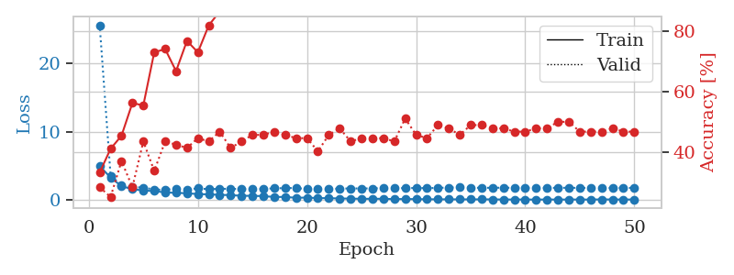
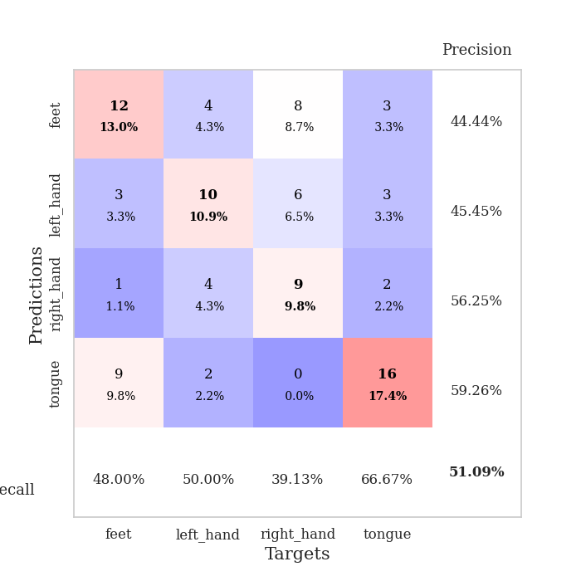
train_loss | valid_loss | train_accuracy | valid_accuracy | dur | train_misclass | valid_misclass
4.9428172837 | 25.609489938 | 0.33152173913 | 0.28260869565 | 0.10396528244 | 33.152173913 | 28.260869565
3.2806967808 | 3.5572588547 | 0.41032608696 | 0.25 | 0.11184644699 | 41.032608696 | 25
2.0050198928 | 2.1290381732 | 0.45380434783 | 0.36956521739 | 0.10886335373 | 45.380434783 | 36.956521739
1.5687613358 | 1.8904313834 | 0.5625 | 0.28260869565 | 0.11207866669 | 56.25 | 28.260869565
1.3712311309 | 1.7898951147 | 0.55434782609 | 0.4347826087 | 0.11283159256 | 55.434782609 | 43.47826087
1.2814190284 | 1.5239232779 | 0.73097826087 | 0.33695652174 | 0.10317969322 | 73.097826087 | 33.695652174
1.0941827401 | 1.4710672213 | 0.74184782609 | 0.4347826087 | 0.10149812698 | 74.184782609 | 43.47826087
1.0193635044 | 1.6413400821 | 0.66847826087 | 0.42391304348 | 0.11186599731 | 66.847826087 | 42.391304348
0.97290143241 | 1.5178602882 | 0.76902173913 | 0.41304347826 | 0.10460400581 | 76.902173913 | 41.304347826
0.84512442869 | 1.6902948462 | 0.73097826087 | 0.44565217391 | 0.10617017746 | 73.097826087 | 44.565217391
0.8060943277 | 1.5565107854 | 0.82065217391 | 0.4347826087 | 0.10813570023 | 82.065217391 | 43.47826087
0.73489496112 | 1.6179927328 | 0.86684782609 | 0.46739130435 | 0.10503029823 | 86.684782609 | 46.739130435
0.69295851562 | 1.6204632935 | 0.88858695652 | 0.41304347826 | 0.10447597504 | 88.858695652 | 41.304347826
0.59598174432 | 1.5879980637 | 0.95923913043 | 0.4347826087 | 0.10575532913 | 95.923913043 | 43.47826087
0.58910618658 | 1.5513703927 | 0.98097826087 | 0.45652173913 | 0.10629868507 | 98.097826087 | 45.652173913
0.54558616034 | 1.6032565366 | 0.97010869565 | 0.45652173913 | 0.10553336143 | 97.010869565 | 45.652173913
0.42388953722 | 1.6903909548 | 0.98097826087 | 0.46739130435 | 0.1126511097 | 98.097826087 | 46.739130435
0.42410358009 | 1.7172282105 | 0.98913043478 | 0.45652173913 | 0.10906481743 | 98.913043478 | 45.652173913
0.30064285903 | 1.7429701971 | 0.98913043478 | 0.44565217391 | 0.10800051689 | 98.913043478 | 44.565217391
0.33473359048 | 1.5685065518 | 0.9972826087 | 0.44565217391 | 0.1133518219 | 99.72826087 | 44.565217391
0.25166076227 | 1.6460303016 | 0.9972826087 | 0.40217391304 | 0.11012578011 | 99.72826087 | 40.217391304
0.25089096181 | 1.6043401386 | 1 | 0.45652173913 | 0.11350560188 | 100 | 45.652173913
0.19806362591 | 1.6468039596 | 1 | 0.47826086957 | 0.10539150238 | 100 | 47.826086957
0.18549559184 | 1.6755136666 | 1 | 0.4347826087 | 0.10617995262 | 100 | 43.47826087
0.15168151081 | 1.6710724364 | 1 | 0.44565217391 | 0.10300087929 | 100 | 44.565217391
0.15503992432 | 1.677876374 | 1 | 0.44565217391 | 0.11525702477 | 100 | 44.565217391
0.15638998863 | 1.7282056446 | 1 | 0.44565217391 | 0.11062335968 | 100 | 44.565217391
0.10812037948 | 1.7349181227 | 1 | 0.4347826087 | 0.10618519783 | 100 | 43.47826087
0.12681359344 | 1.7090094245 | 1 | 0.51086956522 | 0.10727477074 | 100 | 51.086956522
0.10333869631 | 1.744189392 | 1 | 0.45652173913 | 0.11021947861 | 100 | 45.652173913
0.08435559212 | 1.7118287294 | 1 | 0.44565217391 | 0.11359000206 | 100 | 44.565217391
0.079162559594 | 1.7551694486 | 1 | 0.48913043478 | 0.10957980156 | 100 | 48.913043478
0.074681443932 | 1.8041538985 | 1 | 0.47826086957 | 0.1094596386 | 100 | 47.826086957
0.071712230737 | 1.8376172263 | 1 | 0.45652173913 | 0.12060546875 | 100 | 45.652173913
0.068608185924 | 1.7911217731 | 1 | 0.48913043478 | 0.10849571228 | 100 | 48.913043478
0.072828009117 | 1.7580499805 | 1 | 0.48913043478 | 0.10534977913 | 100 | 48.913043478
0.06634145967 | 1.773642851 | 1 | 0.47826086957 | 0.10876703262 | 100 | 47.826086957
0.052250892005 | 1.7768747029 | 1 | 0.47826086957 | 0.10564279556 | 100 | 47.826086957
0.048177168462 | 1.766943434 | 1 | 0.46739130435 | 0.10500741005 | 100 | 46.739130435
0.05344149029 | 1.7573755876 | 1 | 0.46739130435 | 0.1059679985 | 100 | 46.739130435
0.036073431818 | 1.7554074526 | 1 | 0.47826086957 | 0.11662769318 | 100 | 47.826086957
0.054504718591 | 1.7656792558 | 1 | 0.47826086957 | 0.11236953735 | 100 | 47.826086957
0.042854124923 | 1.7591911865 | 1 | 0.5 | 0.11454892159 | 100 | 50
0.048050061557 | 1.7742950398 | 1 | 0.5 | 0.10974383354 | 100 | 50
0.049532696443 | 1.7488277477 | 1 | 0.46739130435 | 0.10590839386 | 100 | 46.739130435
0.042457578562 | 1.7549760186 | 1 | 0.46739130435 | 0.10545873642 | 100 | 46.739130435
0.066531933358 | 1.7616536462 | 1 | 0.46739130435 | 0.11051058769 | 100 | 46.739130435
0.053524870871 | 1.7469520932 | 1 | 0.47826086957 | 0.10883450508 | 100 | 47.826086957
0.049346447983 | 1.755984949 | 1 | 0.46739130435 | 0.10196113586 | 100 | 46.739130435
0.051968349974 | 1.7547987026 | 1 | 0.46739130435 | 0.10604381561 | 100 | 46.739130435

Best Val accuracy is 0.5108695652173914 and Best test accuracy is 0.47413793103448276

Sheet7
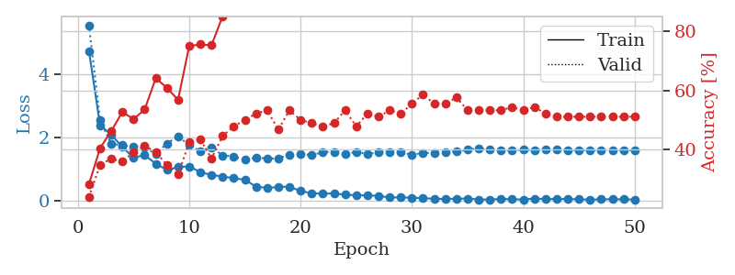
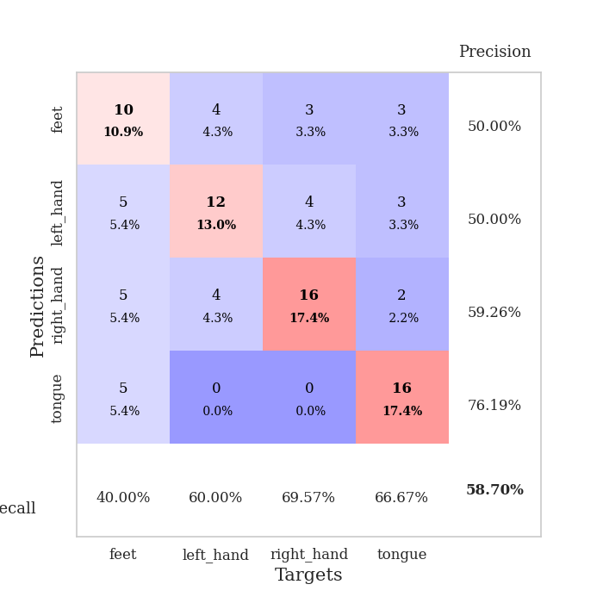
train_loss | valid_loss | train_accuracy | valid_accuracy | dur | train_misclass | valid_misclass
4.7486358207 | 5.5602571446 | 0.28260869565 | 0.23913043478 | 0.11036467552 | 28.260869565 | 23.913043478
2.39589361 | 2.5600811191 | 0.40489130435 | 0.34782608696 | 0.10936403275 | 40.489130435 | 34.782608696
2.1020047716 | 1.8066206393 | 0.46195652174 | 0.36956521739 | 0.1129386425 | 46.195652174 | 36.956521739
1.7085400353 | 1.7713832285 | 0.52717391304 | 0.35869565217 | 0.10740208626 | 52.717391304 | 35.869565217
1.3764380398 | 1.724875984 | 0.5027173913 | 0.39130434783 | 0.10596847534 | 50.27173913 | 39.130434783
1.4543367806 | 1.6822163281 | 0.53532608696 | 0.41304347826 | 0.11019468307 | 53.532608696 | 41.304347826
1.1840872531 | 1.4991782178 | 0.64130434783 | 0.39130434783 | 0.11354899406 | 64.130434783 | 39.130434783
0.98707519925 | 1.8216699517 | 0.60869565217 | 0.34782608696 | 0.11104559898 | 60.869565217 | 34.782608696
1.0799607194 | 2.044920486 | 0.56793478261 | 0.3152173913 | 0.11147499084 | 56.793478261 | 31.52173913
1.0974495774 | 1.7702267429 | 0.75 | 0.42391304348 | 0.10540056229 | 75 | 42.391304348
0.91974519647 | 1.5841366571 | 0.75543478261 | 0.4347826087 | 0.10580706596 | 75.543478261 | 43.47826087
0.82811712441 | 1.7064772326 | 0.7527173913 | 0.36956521739 | 0.1085190773 | 75.27173913 | 36.956521739
0.78038307895 | 1.4465001977 | 0.85054347826 | 0.44565217391 | 0.10928893089 | 85.054347826 | 44.565217391
0.72461064873 | 1.4149648884 | 0.91304347826 | 0.47826086957 | 0.10639333725 | 91.304347826 | 47.826086957
0.67791655789 | 1.3044240008 | 0.9402173913 | 0.5 | 0.11324214935 | 94.02173913 | 50
0.45846775822 | 1.3785960467 | 0.95923913043 | 0.52173913043 | 0.10730576515 | 95.923913043 | 52.173913043
0.41980464886 | 1.3479391129 | 0.95380434783 | 0.53260869565 | 0.11020588875 | 95.380434783 | 53.260869565
0.44632628236 | 1.3500238553 | 0.99184782609 | 0.46739130435 | 0.10628676414 | 99.184782609 | 46.739130435
0.46123173703 | 1.4741871409 | 0.99184782609 | 0.53260869565 | 0.10828948021 | 99.184782609 | 53.260869565
0.31724485917 | 1.4909678283 | 0.98641304348 | 0.5 | 0.10610795021 | 98.641304348 | 50
0.25270908617 | 1.4571588817 | 0.99456521739 | 0.48913043478 | 0.11363911629 | 99.456521739 | 48.913043478
0.23084411527 | 1.5498492873 | 1 | 0.47826086957 | 0.10993027687 | 100 | 47.826086957
0.24723197957 | 1.5568573423 | 1 | 0.48913043478 | 0.10862445831 | 100 | 48.913043478
0.20306808761 | 1.479402397 | 0.9972826087 | 0.53260869565 | 0.10299730301 | 99.72826087 | 53.260869565
0.18535136626 | 1.5576657679 | 1 | 0.47826086957 | 0.1120326519 | 100 | 47.826086957
0.18246490249 | 1.4907656493 | 1 | 0.52173913043 | 0.10254859924 | 100 | 52.173913043
0.16733340077 | 1.5417373751 | 1 | 0.51086956522 | 0.10779452324 | 100 | 51.086956522
0.11441958428 | 1.5384766796 | 0.9972826087 | 0.53260869565 | 0.11418938637 | 99.72826087 | 53.260869565
0.11845056794 | 1.5365657703 | 1 | 0.52173913043 | 0.112657547 | 100 | 52.173913043
0.10984999614 | 1.4728714642 | 1 | 0.55434782609 | 0.10754084587 | 100 | 55.434782609
0.094845850992 | 1.5199987474 | 1 | 0.58695652174 | 0.11074662209 | 100 | 58.695652174
0.075269083371 | 1.5278138855 | 1 | 0.55434782609 | 0.10649394989 | 100 | 55.434782609
0.070140713623 | 1.5621126527 | 1 | 0.55434782609 | 0.10835123062 | 100 | 55.434782609
0.078917157431 | 1.5633338379 | 1 | 0.57608695652 | 0.10955095291 | 100 | 57.608695652
0.080609706676 | 1.6278399851 | 1 | 0.53260869565 | 0.11642837524 | 100 | 53.260869565
0.055418696416 | 1.6654164843 | 1 | 0.53260869565 | 0.10605025291 | 100 | 53.260869565
0.04940838885 | 1.6218847036 | 1 | 0.53260869565 | 0.11492371559 | 100 | 53.260869565
0.073313212589 | 1.6171490369 | 1 | 0.53260869565 | 0.10784196854 | 100 | 53.260869565
0.05709294991 | 1.5923807258 | 1 | 0.54347826087 | 0.11255455017 | 100 | 54.347826087
0.055910092657 | 1.6238226424 | 1 | 0.53260869565 | 0.11092948914 | 100 | 53.260869565
0.080281300875 | 1.6106896297 | 1 | 0.54347826087 | 0.11108422279 | 100 | 54.347826087
0.067312145808 | 1.6357012054 | 1 | 0.52173913043 | 0.10894846916 | 100 | 52.173913043
0.067149646418 | 1.6217481727 | 1 | 0.51086956522 | 0.10567092896 | 100 | 51.086956522
0.068043365325 | 1.6098709469 | 1 | 0.51086956522 | 0.1186542511 | 100 | 51.086956522
0.057705832038 | 1.6145301694 | 1 | 0.51086956522 | 0.10802006721 | 100 | 51.086956522
0.049332287405 | 1.614901921 | 1 | 0.51086956522 | 0.10502839088 | 100 | 51.086956522
0.056956393482 | 1.6083994275 | 1 | 0.51086956522 | 0.10553359985 | 100 | 51.086956522
0.062572285877 | 1.6172116891 | 1 | 0.51086956522 | 0.11505198479 | 100 | 51.086956522
0.057534493465 | 1.607811736 | 1 | 0.51086956522 | 0.10652065277 | 100 | 51.086956522
0.051577130171 | 1.6111099875 | 1 | 0.51086956522 | 0.10438394547 | 100 | 51.086956522

Best Val accuracy is 0.5869565217391305 and Best test accuracy is 0.49137931034482757

Sheet8
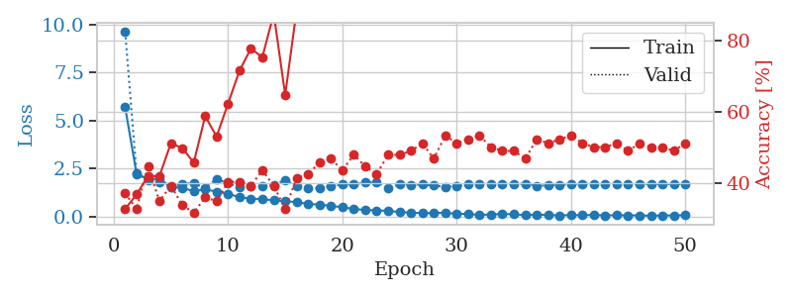
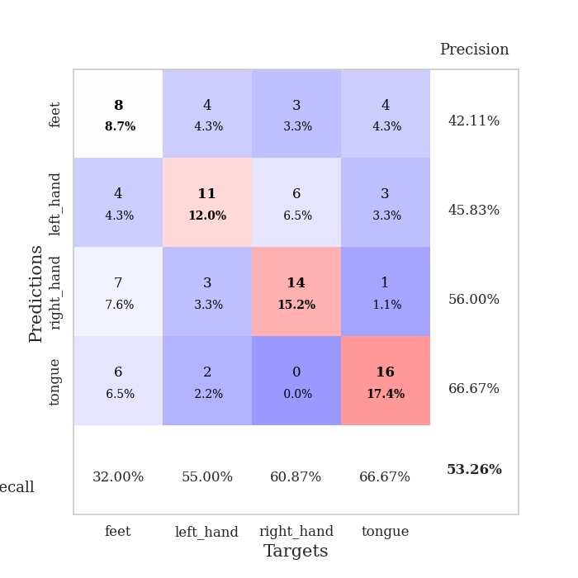
train_loss | valid_loss | train_accuracy | valid_accuracy | dur | train_misclass | valid_misclass
5.6900255473 | 9.617630461 | 0.32608695652 | 0.36956521739 | 0.10798406601 | 32.608695652 | 36.956521739
2.2236634908 | 2.2419208029 | 0.36684782609 | 0.32608695652 | 0.1060461998 | 36.684782609 | 32.608695652
1.9595604824 | 1.8816440002 | 0.41847826087 | 0.44565217391 | 0.10146427155 | 41.847826087 | 44.565217391
1.9637594379 | 1.7782181501 | 0.41847826087 | 0.34782608696 | 0.10309052467 | 41.847826087 | 34.782608696
1.5430307544 | 1.5183627968 | 0.51086956522 | 0.39130434783 | 0.09884929657 | 51.086956522 | 39.130434783
1.4895583858 | 1.7090092172 | 0.4972826087 | 0.33695652174 | 0.099900484085 | 49.72826087 | 33.695652174
1.3249211311 | 1.7448696986 | 0.45652173913 | 0.3152173913 | 0.099207162857 | 45.652173913 | 31.52173913
1.4187640366 | 1.4989326985 | 0.58695652174 | 0.35869565217 | 0.099759340286 | 58.695652174 | 35.869565217
1.2985773061 | 1.9551370662 | 0.52989130435 | 0.34782608696 | 0.10057592392 | 52.989130435 | 34.782608696
1.1935629948 | 1.7360488798 | 0.6222826087 | 0.40217391304 | 0.112003088 | 62.22826087 | 40.217391304
1.0065441106 | 1.5235140168 | 0.71467391304 | 0.40217391304 | 0.10065698624 | 71.467391304 | 40.217391304
0.93608509198 | 1.5956122668 | 0.77717391304 | 0.39130434783 | 0.11347150803 | 77.717391304 | 39.130434783
0.9078784883 | 1.5940463595 | 0.7527173913 | 0.4347826087 | 0.10290575027 | 75.27173913 | 43.47826087
0.84639275463 | 1.6344811398 | 0.875 | 0.39130434783 | 0.10040998459 | 87.5 | 39.130434783
0.79232366577 | 1.9128891955 | 0.64673913043 | 0.32608695652 | 0.107660532 | 64.673913043 | 32.608695652
0.75849296477 | 1.5614792212 | 0.88586956522 | 0.41304347826 | 0.10568165779 | 88.586956522 | 41.304347826
0.65681898464 | 1.4573724166 | 0.91847826087 | 0.42391304348 | 0.099845409393 | 91.847826087 | 42.391304348
0.62522996897 | 1.4983687971 | 0.95652173913 | 0.45652173913 | 0.10029792786 | 95.652173913 | 45.652173913
0.55826022055 | 1.5846021538 | 0.9375 | 0.46739130435 | 0.10759973526 | 93.75 | 46.739130435
0.48471910668 | 1.6655398037 | 0.96739130435 | 0.4347826087 | 0.10428595543 | 96.739130435 | 43.47826087
0.39884321651 | 1.6746300355 | 0.94293478261 | 0.47826086957 | 0.10652375221 | 94.293478261 | 47.826086957
0.34425351153 | 1.7705600832 | 0.98913043478 | 0.44565217391 | 0.10821986198 | 98.913043478 | 44.565217391
0.31900775757 | 1.8030586502 | 0.98369565217 | 0.42391304348 | 0.10792803764 | 98.369565217 | 42.391304348
0.29978431178 | 1.4808402528 | 0.99456521739 | 0.47826086957 | 0.10230565071 | 99.456521739 | 47.826086957
0.23846378372 | 1.6763949031 | 1 | 0.47826086957 | 0.099569797516 | 100 | 47.826086957
0.20326393446 | 1.6611367309 | 0.9972826087 | 0.48913043478 | 0.11236190796 | 99.72826087 | 48.913043478
0.1822029187 | 1.6707301347 | 1 | 0.51086956522 | 0.098228693008 | 100 | 51.086956522
0.18342901815 | 1.612480656 | 1 | 0.46739130435 | 0.11546683311 | 100 | 46.739130435
0.2001375373 | 1.5523135403 | 1 | 0.53260869565 | 0.099773645401 | 100 | 53.260869565
0.14512053748 | 1.5840752436 | 1 | 0.51086956522 | 0.10432124138 | 100 | 51.086956522
0.13349512754 | 1.6699440065 | 1 | 0.52173913043 | 0.10746073723 | 100 | 52.173913043
0.084127256404 | 1.686206403 | 1 | 0.53260869565 | 0.10760617256 | 100 | 53.260869565
0.10891713591 | 1.7044850795 | 1 | 0.5 | 0.10642027855 | 100 | 50
0.13361099419 | 1.6978668752 | 1 | 0.48913043478 | 0.10890603065 | 100 | 48.913043478
0.12356750254 | 1.6960015867 | 1 | 0.48913043478 | 0.10458612442 | 100 | 48.913043478
0.068588740435 | 1.7112974239 | 1 | 0.46739130435 | 0.10350584984 | 100 | 46.739130435
0.10542055406 | 1.6087819079 | 1 | 0.52173913043 | 0.097645759583 | 100 | 52.173913043
0.084197159938 | 1.6192306747 | 1 | 0.51086956522 | 0.10925078392 | 100 | 51.086956522
0.063374106205 | 1.6600411612 | 1 | 0.52173913043 | 0.10365772247 | 100 | 52.173913043
0.078073178074 | 1.68123012 | 1 | 0.53260869565 | 0.1061372757 | 100 | 53.260869565
0.07696551619 | 1.7051537918 | 1 | 0.51086956522 | 0.10409331322 | 100 | 51.086956522
0.084711079445 | 1.6992590583 | 1 | 0.5 | 0.10272502899 | 100 | 50
0.060220622296 | 1.6880961397 | 1 | 0.5 | 0.10744953156 | 100 | 50
0.074109800241 | 1.6878349107 | 1 | 0.51086956522 | 0.11086988449 | 100 | 51.086956522
0.064828595754 | 1.6972181745 | 1 | 0.48913043478 | 0.1078338623 | 100 | 48.913043478
0.063170090075 | 1.6873201235 | 1 | 0.51086956522 | 0.10741281509 | 100 | 51.086956522
0.041347881455 | 1.6959977876 | 1 | 0.5 | 0.10229969025 | 100 | 50
0.061079006318 | 1.6856467309 | 1 | 0.5 | 0.099322319031 | 100 | 50
0.059966502063 | 1.6983261264 | 1 | 0.48913043478 | 0.10355591774 | 100 | 48.913043478
0.074520739929 | 1.6885981197 | 1 | 0.51086956522 | 0.10211849213 | 100 | 51.086956522

Best Val accuracy is 0.532608695652174 and Best test accuracy is 0.5258620689655172

Sheet9
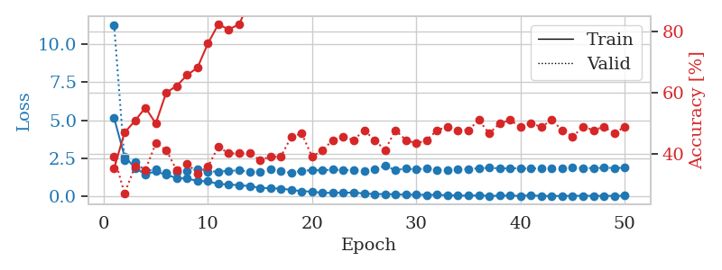
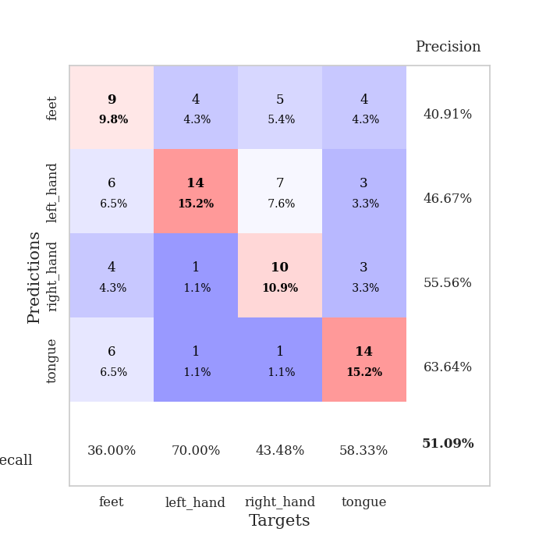
train_loss | valid_loss | train_accuracy | valid_accuracy | dur | train_misclass | valid_misclass
5.1506301165 | 11.245436959 | 0.35326086957 | 0.39130434783 | 0.10817456245 | 35.326086957 | 39.130434783
2.6318192275 | 2.3884266978 | 0.47010869565 | 0.27173913043 | 0.1037569046 | 47.010869565 | 27.173913043
1.8792697554 | 2.2729117041 | 0.50815217391 | 0.35869565217 | 0.10442948341 | 50.815217391 | 35.869565217
1.4580746993 | 1.6998578414 | 0.55163043478 | 0.34782608696 | 0.10299921036 | 55.163043478 | 34.782608696
1.6502895614 | 1.7626373612 | 0.5 | 0.4347826087 | 0.1074385643 | 50 | 43.47826087
1.4220319831 | 1.5498786646 | 0.60054347826 | 0.41304347826 | 0.10396981239 | 60.054347826 | 41.304347826
1.2194479678 | 1.6225608328 | 0.6222826087 | 0.34782608696 | 0.11444711685 | 62.22826087 | 34.782608696
1.1751395775 | 1.6500955198 | 0.65760869565 | 0.36956521739 | 0.10570001602 | 65.760869565 | 36.956521739
1.0322672543 | 1.7879004271 | 0.68206521739 | 0.33695652174 | 0.099516391754 | 68.206521739 | 33.695652174
0.99726600621 | 1.6334655959 | 0.76086956522 | 0.35869565217 | 0.10008025169 | 76.086956522 | 35.869565217
0.83051041157 | 1.6442222181 | 0.82336956522 | 0.42391304348 | 0.10414457321 | 82.336956522 | 42.391304348
0.79008125093 | 1.6798528122 | 0.80706521739 | 0.40217391304 | 0.10353469849 | 80.706521739 | 40.217391304
0.74153393377 | 1.7181494547 | 0.82336956522 | 0.40217391304 | 0.10828900337 | 82.336956522 | 40.217391304
0.68922212849 | 1.6205455376 | 0.89945652174 | 0.40217391304 | 0.11165094376 | 89.945652174 | 40.217391304
0.57481673781 | 1.6075876329 | 0.91847826087 | 0.38043478261 | 0.10442256927 | 91.847826087 | 38.043478261
0.54501504613 | 1.7825960957 | 0.95108695652 | 0.39130434783 | 0.10900068283 | 95.108695652 | 39.130434783
0.52109944496 | 1.655213496 | 0.96739130435 | 0.39130434783 | 0.10505485535 | 96.739130435 | 39.130434783
0.43958167991 | 1.5512271912 | 0.9972826087 | 0.45652173913 | 0.10958719254 | 99.72826087 | 45.652173913
0.3483008833 | 1.6933575298 | 0.9972826087 | 0.46739130435 | 0.11348295212 | 99.72826087 | 46.739130435
0.32830746958 | 1.7226688344 | 0.9972826087 | 0.39130434783 | 0.10755133629 | 99.72826087 | 39.130434783
0.24120276551 | 1.7174504166 | 0.9972826087 | 0.41304347826 | 0.10720276833 | 99.72826087 | 41.304347826
0.24978946101 | 1.7668090489 | 1 | 0.44565217391 | 0.11622977257 | 100 | 44.565217391
0.25003601773 | 1.7418010598 | 0.99456521739 | 0.45652173913 | 0.10491347313 | 99.456521739 | 45.652173913
0.2669411266 | 1.7092842175 | 1 | 0.44565217391 | 0.11282777786 | 100 | 44.565217391
0.19998603217 | 1.6861091749 | 1 | 0.47826086957 | 0.10604977608 | 100 | 47.826086957
0.16508720394 | 1.8012601552 | 0.9972826087 | 0.44565217391 | 0.11266756058 | 99.72826087 | 44.565217391
0.1617190569 | 2.0082687865 | 1 | 0.41304347826 | 0.10280752182 | 100 | 41.304347826
0.14503137136 | 1.7375086753 | 1 | 0.47826086957 | 0.10798931122 | 100 | 47.826086957
0.12423361546 | 1.8235445385 | 0.9972826087 | 0.44565217391 | 0.10874032974 | 99.72826087 | 44.565217391
0.123173332 | 1.7779535573 | 1 | 0.4347826087 | 0.10160517693 | 100 | 43.47826087
0.1123529969 | 1.8529988838 | 1 | 0.44565217391 | 0.10826969147 | 100 | 44.565217391
0.11559974597 | 1.7476654675 | 1 | 0.47826086957 | 0.1099088192 | 100 | 47.826086957
0.087797597658 | 1.7229914199 | 1 | 0.48913043478 | 0.10445928574 | 100 | 48.913043478
0.074235252955 | 1.7832626519 | 1 | 0.47826086957 | 0.10797953606 | 100 | 47.826086957
0.055387500431 | 1.8166807372 | 1 | 0.47826086957 | 0.10454773903 | 100 | 47.826086957
0.083004862313 | 1.8489528687 | 1 | 0.51086956522 | 0.10812020302 | 100 | 51.086956522
0.043314955319 | 1.8822955515 | 1 | 0.46739130435 | 0.11336326599 | 100 | 46.739130435
0.057734049978 | 1.8419503751 | 1 | 0.5 | 0.10039663315 | 100 | 50
0.065438034094 | 1.8481722863 | 1 | 0.51086956522 | 0.11012887955 | 100 | 51.086956522
0.048257776556 | 1.8582236249 | 1 | 0.48913043478 | 0.1085858345 | 100 | 48.913043478
0.082960213939 | 1.8271918556 | 1 | 0.5 | 0.1110804081 | 100 | 50
0.043713969178 | 1.8684386119 | 1 | 0.48913043478 | 0.10280489922 | 100 | 48.913043478
0.039722408978 | 1.8544771101 | 1 | 0.51086956522 | 0.10071635246 | 100 | 51.086956522
0.042759389171 | 1.8538960218 | 1 | 0.47826086957 | 0.10756397247 | 100 | 47.826086957
0.052610768451 | 1.8853298322 | 1 | 0.45652173913 | 0.10511493683 | 100 | 45.652173913
0.053267397351 | 1.8719505434 | 1 | 0.48913043478 | 0.10686540604 | 100 | 48.913043478
0.049897968729 | 1.8614376732 | 1 | 0.47826086957 | 0.10643053055 | 100 | 47.826086957
0.044103378268 | 1.8819911635 | 1 | 0.48913043478 | 0.11072635651 | 100 | 48.913043478
0.05027003975 | 1.8781548531 | 1 | 0.46739130435 | 0.10164904594 | 100 | 46.739130435
0.056310545491 | 1.8836801363 | 1 | 0.48913043478 | 0.10702776909 | 100 | 48.913043478

Best Val accuracy is 0.5108695652173914 and Best test accuracy is 0.5

Sheet10
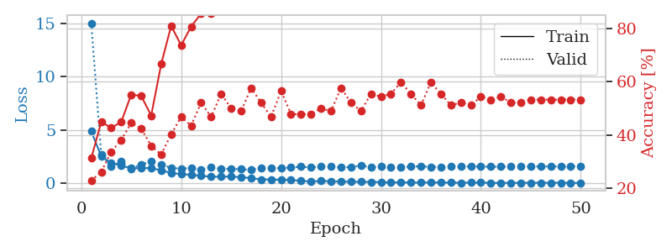
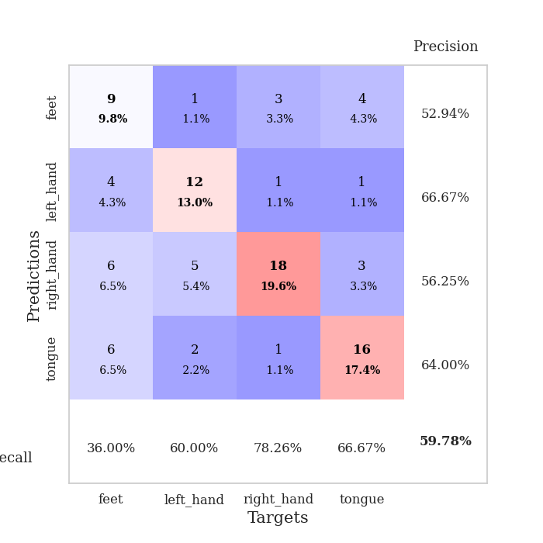
train_loss | valid_loss | train_accuracy | valid_accuracy | dur | train_misclass | valid_misclass
4.8831326236 | 15.036724671 | 0.3125 | 0.22826086957 | 0.099907159805 | 31.25 | 22.826086957
2.5590706753 | 2.6743600265 | 0.44836956522 | 0.26086956522 | 0.098308563232 | 44.836956522 | 26.086956522
1.9124632089 | 1.5776360553 | 0.42663043478 | 0.33695652174 | 0.09805727005 | 42.663043478 | 33.695652174
1.6806925483 | 2.0628765614 | 0.44836956522 | 0.38043478261 | 0.098076105118 | 44.836956522 | 38.043478261
1.4164600502 | 1.3824545197 | 0.55163043478 | 0.44565217391 | 0.099116325378 | 55.163043478 | 44.565217391
1.4355275087 | 1.7939185163 | 0.54619565217 | 0.42391304348 | 0.099228858948 | 54.619565217 | 42.391304348
1.4454973832 | 2.0467247963 | 0.47282608696 | 0.35869565217 | 0.10662770271 | 47.282608696 | 35.869565217
1.2231272718 | 1.7834109845 | 0.66576086957 | 0.32608695652 | 0.10427498817 | 66.576086957 | 32.608695652
0.98522182392 | 1.462639026 | 0.8097826087 | 0.40217391304 | 0.10236144066 | 80.97826087 | 40.217391304
0.86390300808 | 1.383223658 | 0.73641304348 | 0.46739130435 | 0.10549736023 | 73.641304348 | 46.739130435
0.81507564498 | 1.4517484748 | 0.80706521739 | 0.4347826087 | 0.11026406288 | 80.706521739 | 43.47826087
0.705564438 | 1.3174129828 | 0.85597826087 | 0.52173913043 | 0.10978126526 | 85.597826087 | 52.173913043
0.63563895614 | 1.494057448 | 0.85597826087 | 0.46739130435 | 0.10914182663 | 85.597826087 | 46.739130435
0.63282468915 | 1.3786258749 | 0.89130434783 | 0.55434782609 | 0.10818696022 | 89.130434783 | 55.434782609
0.64514109751 | 1.3703329097 | 0.8722826087 | 0.5 | 0.10133194923 | 87.22826087 | 50
0.58632803935 | 1.3325918809 | 0.96467391304 | 0.48913043478 | 0.10355877876 | 96.467391304 | 48.913043478
0.49723633087 | 1.269886701 | 0.98913043478 | 0.57608695652 | 0.10167527199 | 98.913043478 | 57.608695652
0.37901894683 | 1.4695654123 | 0.94565217391 | 0.52173913043 | 0.10917067528 | 94.565217391 | 52.173913043
0.36711316135 | 1.4178637681 | 0.96467391304 | 0.46739130435 | 0.11028838158 | 96.467391304 | 46.739130435
0.35524235407 | 1.4398101724 | 0.99456521739 | 0.5652173913 | 0.10736942291 | 99.456521739 | 56.52173913
0.31944584231 | 1.4915209076 | 0.98641304348 | 0.47826086957 | 0.10053372383 | 98.641304348 | 47.826086957
0.23883030337 | 1.5717408916 | 0.98097826087 | 0.47826086957 | 0.098908901215 | 98.097826087 | 47.826086957
0.17788600096 | 1.491640941 | 0.98641304348 | 0.47826086957 | 0.10250306129 | 98.641304348 | 47.826086957
0.23017638889 | 1.57676264 | 0.9972826087 | 0.5 | 0.10144305229 | 99.72826087 | 50
0.20362974703 | 1.6009187854 | 0.99184782609 | 0.48913043478 | 0.11127305031 | 99.184782609 | 48.913043478
0.18406129596 | 1.4939189527 | 1 | 0.57608695652 | 0.11355471611 | 100 | 57.608695652
0.15427211162 | 1.5439389218 | 0.9972826087 | 0.52173913043 | 0.11383581161 | 99.72826087 | 52.173913043
0.15276386637 | 1.6631182536 | 1 | 0.48913043478 | 0.10568189621 | 100 | 48.913043478
0.14620420013 | 1.5259109321 | 1 | 0.55434782609 | 0.10299158096 | 100 | 55.434782609
0.13186923536 | 1.5919857025 | 1 | 0.54347826087 | 0.10252547264 | 100 | 54.347826087
0.079897738001 | 1.5458788716 | 1 | 0.55434782609 | 0.1166138649 | 100 | 55.434782609
0.11015005466 | 1.5117922244 | 1 | 0.59782608696 | 0.11341524124 | 100 | 59.782608696
0.079495069206 | 1.5874269371 | 1 | 0.55434782609 | 0.11367034912 | 100 | 55.434782609
0.073182910681 | 1.5959282336 | 1 | 0.51086956522 | 0.10429191589 | 100 | 51.086956522
0.091283834377 | 1.5590311652 | 1 | 0.59782608696 | 0.10622382164 | 100 | 59.782608696
0.087226889987 | 1.5504685537 | 1 | 0.55434782609 | 0.10322022438 | 100 | 55.434782609
0.071719887059 | 1.5908396296 | 1 | 0.51086956522 | 0.112241745 | 100 | 51.086956522
0.063202380324 | 1.5738189117 | 1 | 0.52173913043 | 0.10486507416 | 100 | 52.173913043
0.072231583095 | 1.6106173837 | 1 | 0.51086956522 | 0.10286617279 | 100 | 51.086956522
0.07945010803 | 1.5740925385 | 1 | 0.54347826087 | 0.10277271271 | 100 | 54.347826087
0.055989336465 | 1.5656277615 | 1 | 0.53260869565 | 0.10609960556 | 100 | 53.260869565
0.049615964253 | 1.5691564187 | 1 | 0.54347826087 | 0.10507130623 | 100 | 54.347826087
0.051243700775 | 1.5857399495 | 1 | 0.52173913043 | 0.1051671505 | 100 | 52.173913043
0.060187332049 | 1.582318648 | 1 | 0.52173913043 | 0.10359334946 | 100 | 52.173913043
0.060397697309 | 1.6043373139 | 1 | 0.53260869565 | 0.1133275032 | 100 | 53.260869565
0.061107893474 | 1.5896835223 | 1 | 0.53260869565 | 0.11040639877 | 100 | 53.260869565
0.063310577048 | 1.5931306559 | 1 | 0.53260869565 | 0.11134672165 | 100 | 53.260869565
0.064665218795 | 1.5905739587 | 1 | 0.53260869565 | 0.11187434196 | 100 | 53.260869565
0.053340684704 | 1.6025220259 | 1 | 0.53260869565 | 0.10992097855 | 100 | 53.260869565
0.053626034206 | 1.5948132484 | 1 | 0.53260869565 | 0.10190248489 | 100 | 53.260869565

Best Val accuracy is 0.5978260869565217 and Best test accuracy is 0.5

