Sheet
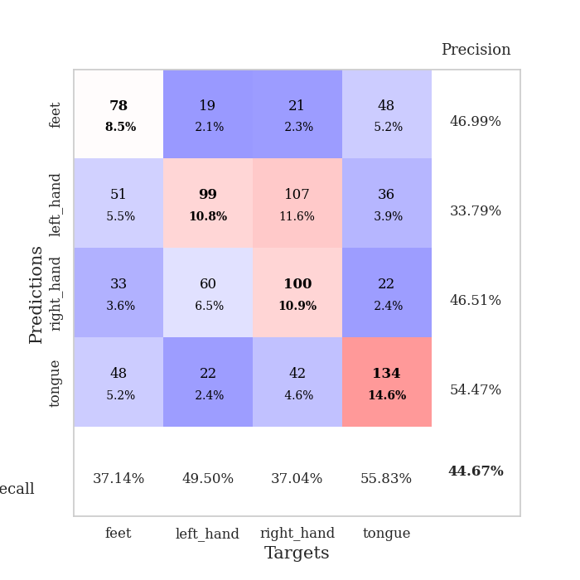
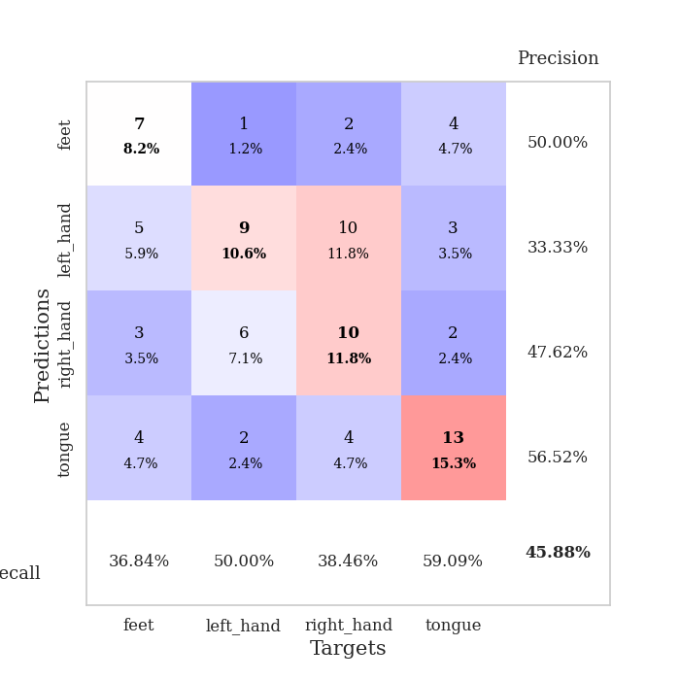
best_val_acc | best_val_los | best_test_acc
0.41304347826 | 1.4159394399 | 0.41379310345
0.45652173913 | 1.3133890888 | 0.36206896552
0.45652173913 | 1.2201632831 | 0.34482758621
0.39130434783 | 1.3664567574 | 0.43965517241
0.45652173913 | 1.2597482308 | 0.45689655172
0.48913043478 | 1.2705015151 | 0.36206896552
0.47826086957 | 1.2915875393 | 0.35344827586
0.4347826087 | 1.2733012697 | 0.43103448276
0.47826086957 | 1.3920176703 | 0.41379310345
0.41304347826 | 1.3684553115 | 0.36206896552

Mean,std Val accuracy is 0.44673913043478264 , 0.03258856061125921 and mean, std test accuracy is 0.3939655172413793 , 0.041253400393122065

Sheet1
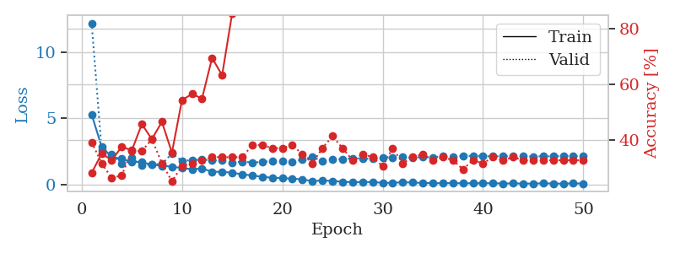
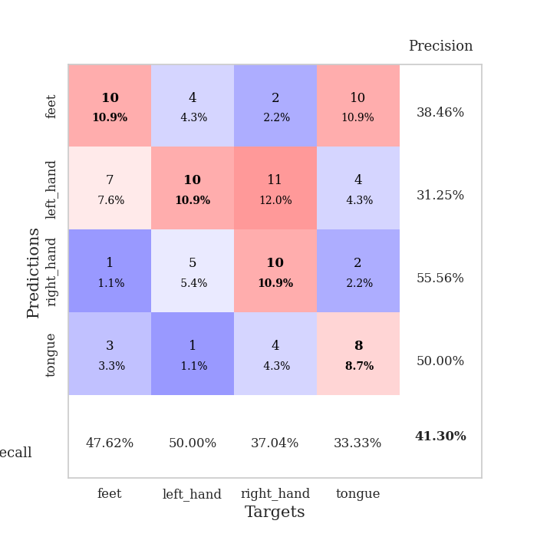
train_loss | valid_loss | train_accuracy | valid_accuracy | dur | train_misclass | valid_misclass
5.3064880889 | 12.233570638 | 0.27989130435 | 0.39130434783 | 0.11348843575 | 27.989130435 | 39.130434783
2.8313044154 | 2.5718594479 | 0.35054347826 | 0.3152173913 | 0.11309146881 | 35.054347826 | 31.52173913
2.0907398255 | 2.2716564199 | 0.32608695652 | 0.26086956522 | 0.11464333534 | 32.608695652 | 26.086956522
1.9242262374 | 1.5656486853 | 0.375 | 0.27173913043 | 0.10748243332 | 37.5 | 27.173913043
1.6967108198 | 1.9881724897 | 0.36141304348 | 0.35869565217 | 0.10470938683 | 36.141304348 | 35.869565217
1.6874337145 | 1.4159394399 | 0.45652173913 | 0.35869565217 | 0.10856986046 | 45.652173913 | 35.869565217
1.4813310012 | 1.5173123038 | 0.40217391304 | 0.40217391304 | 0.10406398773 | 40.217391304 | 40.217391304
1.4066273544 | 1.5363299277 | 0.46467391304 | 0.3152173913 | 0.11064267159 | 46.467391304 | 31.52173913
1.3399733642 | 2.3332389749 | 0.35326086957 | 0.25 | 0.10485720634 | 35.326086957 | 25
1.2330402991 | 1.7878315915 | 0.54347826087 | 0.30434782609 | 0.11225795746 | 54.347826087 | 30.434782609
1.1450478875 | 1.825834917 | 0.5652173913 | 0.3152173913 | 0.10585784912 | 56.52173913 | 31.52173913
1.201247604 | 1.8816994014 | 0.54891304348 | 0.32608695652 | 0.10543680191 | 54.891304348 | 32.608695652
0.95683298422 | 1.8178088406 | 0.69565217391 | 0.33695652174 | 0.10225558281 | 69.565217391 | 33.695652174
0.94323672678 | 1.8188253486 | 0.63315217391 | 0.33695652174 | 0.1028676033 | 63.315217391 | 33.695652174
0.88468148268 | 1.6590724458 | 0.85597826087 | 0.33695652174 | 0.10403585434 | 85.597826087 | 33.695652174
0.75202806877 | 1.7266369747 | 0.91576086957 | 0.33695652174 | 0.10365891457 | 91.576086957 | 33.695652174
0.68193537645 | 1.6567015596 | 0.9347826087 | 0.38043478261 | 0.10515713692 | 93.47826087 | 38.043478261
0.55726633383 | 1.6937610585 | 0.96195652174 | 0.38043478261 | 0.10120224953 | 96.195652174 | 38.043478261
0.50622159113 | 1.7709135854 | 0.97282608696 | 0.36956521739 | 0.10047340393 | 97.282608696 | 36.956521739
0.45767976279 | 1.7385798693 | 0.98097826087 | 0.36956521739 | 0.10917258263 | 98.097826087 | 36.956521739
0.44049038252 | 1.6798106069 | 0.9972826087 | 0.38043478261 | 0.10199522972 | 99.72826087 | 38.043478261
0.36415802461 | 1.8999158196 | 0.99456521739 | 0.34782608696 | 0.11160540581 | 99.456521739 | 34.782608696
0.2465941676 | 2.0690540231 | 0.9972826087 | 0.3152173913 | 0.11065483093 | 99.72826087 | 31.52173913
0.2883675824 | 1.7592197657 | 1 | 0.36956521739 | 0.10535526276 | 100 | 36.956521739
0.25618500489 | 1.9089671684 | 1 | 0.41304347826 | 0.10951924324 | 100 | 41.304347826
0.19163534175 | 1.9068120614 | 1 | 0.36956521739 | 0.11499905586 | 100 | 36.956521739
0.15522676512 | 1.9792116621 | 1 | 0.32608695652 | 0.10180187225 | 100 | 32.608695652
0.16782682324 | 1.9491254921 | 1 | 0.34782608696 | 0.1015059948 | 100 | 34.782608696
0.17721718647 | 1.9357777056 | 1 | 0.33695652174 | 0.11108422279 | 100 | 33.695652174
0.10929925667 | 1.9958493917 | 1 | 0.30434782609 | 0.10760426521 | 100 | 30.434782609
0.11922620403 | 2.0315684858 | 1 | 0.36956521739 | 0.10548210144 | 100 | 36.956521739
0.15056907742 | 2.0526161142 | 1 | 0.3152173913 | 0.10333919525 | 100 | 31.52173913
0.13202227361 | 2.0241624583 | 1 | 0.33695652174 | 0.10204386711 | 100 | 33.695652174
0.10569356819 | 2.0639289566 | 1 | 0.34782608696 | 0.09995174408 | 100 | 34.782608696
0.085720467746 | 2.050892436 | 1 | 0.32608695652 | 0.10634016991 | 100 | 32.608695652
0.085689614001 | 2.1365933211 | 1 | 0.33695652174 | 0.099905729294 | 100 | 33.695652174
0.095907884609 | 2.0743252505 | 1 | 0.32608695652 | 0.10284161568 | 100 | 32.608695652
0.07577251238 | 2.1655267477 | 1 | 0.29347826087 | 0.10284948349 | 100 | 29.347826087
0.083563194003 | 2.1467584112 | 1 | 0.32608695652 | 0.1049592495 | 100 | 32.608695652
0.079093064627 | 2.1328404313 | 1 | 0.3152173913 | 0.10140347481 | 100 | 31.52173913
0.087721393403 | 2.1255947559 | 1 | 0.33695652174 | 0.10452151299 | 100 | 33.695652174
0.057636250458 | 2.1241571437 | 1 | 0.32608695652 | 0.11078596115 | 100 | 32.608695652
0.073820345914 | 2.1381996196 | 1 | 0.33695652174 | 0.10524272919 | 100 | 33.695652174
0.053431394065 | 2.1289029536 | 1 | 0.32608695652 | 0.10404753685 | 100 | 32.608695652
0.058586986776 | 2.1151167413 | 1 | 0.32608695652 | 0.10400986671 | 100 | 32.608695652
0.070389003857 | 2.127587023 | 1 | 0.32608695652 | 0.10884523392 | 100 | 32.608695652
0.064183341663 | 2.1164473451 | 1 | 0.32608695652 | 0.10502386093 | 100 | 32.608695652
0.050713489723 | 2.1424303314 | 1 | 0.32608695652 | 0.10318112373 | 100 | 32.608695652
0.075609915282 | 2.1380613213 | 1 | 0.32608695652 | 0.10873174667 | 100 | 32.608695652
0.054575959059 | 2.1283116755 | 1 | 0.32608695652 | 0.10764503479 | 100 | 32.608695652

Best Val accuracy is 0.41304347826086957 and Best test accuracy is 0.41379310344827586

Sheet2
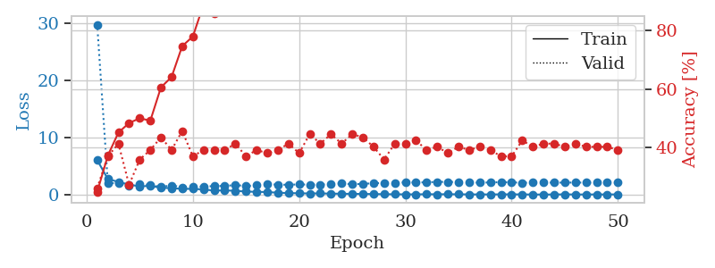
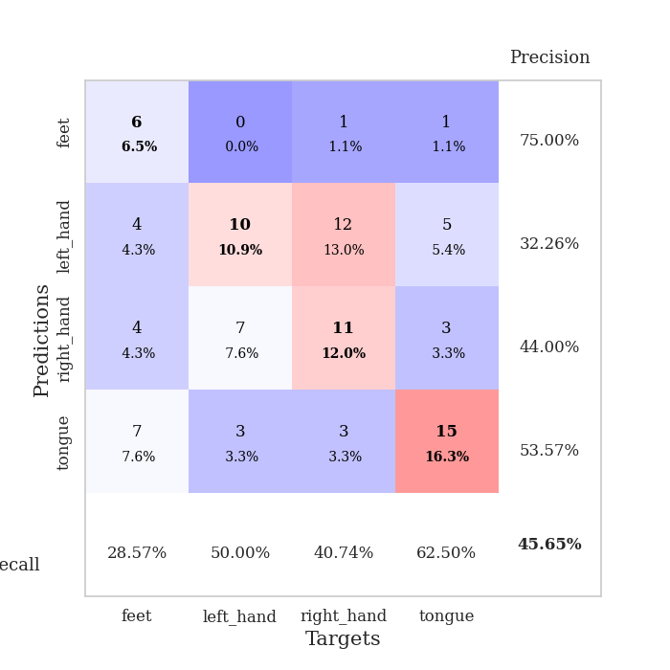
train_loss | valid_loss | train_accuracy | valid_accuracy | dur | train_misclass | valid_misclass
6.0620423918 | 29.776056041 | 0.2472826087 | 0.26086956522 | 0.10094928741 | 24.72826087 | 26.086956522
2.7462093467 | 2.0642205114 | 0.3722826087 | 0.36956521739 | 0.10012054443 | 37.22826087 | 36.956521739
2.2405818753 | 1.9615250981 | 0.45108695652 | 0.41304347826 | 0.10509037971 | 45.108695652 | 41.304347826
1.7666965827 | 1.5761182775 | 0.48369565217 | 0.27173913043 | 0.10281133652 | 48.369565217 | 27.173913043
1.4612145994 | 1.9302753988 | 0.5 | 0.35869565217 | 0.1043651104 | 50 | 35.869565217
1.5439944215 | 1.6442822218 | 0.49184782609 | 0.39130434783 | 0.10427975655 | 49.184782609 | 39.130434783
1.2133831978 | 1.3702065375 | 0.60597826087 | 0.4347826087 | 0.10587334633 | 60.597826087 | 43.47826087
1.1410897141 | 1.6146812128 | 0.64130434783 | 0.39130434783 | 0.11094903946 | 64.130434783 | 39.130434783
1.0164015993 | 1.3133890888 | 0.7472826087 | 0.45652173913 | 0.10526609421 | 74.72826087 | 45.652173913
1.0209570138 | 1.468562774 | 0.77989130435 | 0.36956521739 | 0.1059794426 | 77.989130435 | 36.956521739
0.91267594954 | 1.3968218461 | 0.88858695652 | 0.39130434783 | 0.11150574684 | 88.858695652 | 39.130434783
0.72607391036 | 1.5127132924 | 0.85869565217 | 0.39130434783 | 0.11326956749 | 85.869565217 | 39.130434783
0.75614992691 | 1.5239871222 | 0.91304347826 | 0.39130434783 | 0.10440468788 | 91.304347826 | 39.130434783
0.68209365529 | 1.6913354708 | 0.9375 | 0.41304347826 | 0.10937023163 | 93.75 | 41.304347826
0.54974664942 | 1.514445761 | 0.97010869565 | 0.36956521739 | 0.11095261574 | 97.010869565 | 36.956521739
0.49665089276 | 1.6338511032 | 0.95923913043 | 0.39130434783 | 0.10556554794 | 95.923913043 | 39.130434783
0.46689007399 | 1.8212103636 | 0.98913043478 | 0.38043478261 | 0.10970973969 | 98.913043478 | 38.043478261
0.34244264274 | 1.7656167901 | 0.99456521739 | 0.39130434783 | 0.10755324364 | 99.456521739 | 39.130434783
0.29174157394 | 1.7333231439 | 1 | 0.41304347826 | 0.11079502106 | 100 | 41.304347826
0.24617557649 | 1.8031126313 | 0.99456521739 | 0.38043478261 | 0.10367560387 | 99.456521739 | 38.043478261
0.21895745461 | 1.756159798 | 1 | 0.44565217391 | 0.10463905334 | 100 | 44.565217391
0.23093770461 | 1.7689430351 | 1 | 0.41304347826 | 0.10496258736 | 100 | 41.304347826
0.18473855034 | 1.8486866951 | 1 | 0.44565217391 | 0.10653090477 | 100 | 44.565217391
0.17268208414 | 1.9656729698 | 1 | 0.41304347826 | 0.12544059753 | 100 | 41.304347826
0.14903860685 | 1.8343391833 | 1 | 0.44565217391 | 0.12227797508 | 100 | 44.565217391
0.14207126629 | 1.8851856874 | 1 | 0.4347826087 | 0.12296581268 | 100 | 43.47826087
0.11159249492 | 2.0137774322 | 1 | 0.40217391304 | 0.12332129478 | 100 | 40.217391304
0.094202366698 | 2.0439533047 | 1 | 0.35869565217 | 0.1063337326 | 100 | 35.869565217
0.071154066159 | 2.0368224123 | 1 | 0.41304347826 | 0.10011649132 | 100 | 41.304347826
0.063255604518 | 2.1678937103 | 1 | 0.41304347826 | 0.10021233559 | 100 | 41.304347826
0.056678231806 | 2.1292999827 | 1 | 0.42391304348 | 0.10765504837 | 100 | 42.391304348
0.087105803516 | 2.1731650518 | 1 | 0.39130434783 | 0.10536718369 | 100 | 39.130434783
0.068305021638 | 2.2378830184 | 1 | 0.40217391304 | 0.10830068588 | 100 | 40.217391304
0.085566302437 | 2.2454109503 | 1 | 0.38043478261 | 0.10451388359 | 100 | 38.043478261
0.070438709272 | 2.2027574207 | 1 | 0.40217391304 | 0.10779571533 | 100 | 40.217391304
0.052166810826 | 2.1511999213 | 1 | 0.39130434783 | 0.10400772095 | 100 | 39.130434783
0.048703676819 | 2.1034473233 | 1 | 0.40217391304 | 0.10168623924 | 100 | 40.217391304
0.048986507458 | 2.1487382391 | 1 | 0.39130434783 | 0.10424542427 | 100 | 39.130434783
0.057493080587 | 2.1893222125 | 1 | 0.36956521739 | 0.096248149872 | 100 | 36.956521739
0.061234990297 | 2.1619946335 | 1 | 0.36956521739 | 0.10520219803 | 100 | 36.956521739
0.052141592473 | 2.0911365903 | 1 | 0.42391304348 | 0.10644936562 | 100 | 42.391304348
0.031241011441 | 2.1067043906 | 1 | 0.40217391304 | 0.099501371384 | 100 | 40.217391304
0.035532580608 | 2.1183041386 | 1 | 0.41304347826 | 0.10389661789 | 100 | 41.304347826
0.033506089214 | 2.113533445 | 1 | 0.41304347826 | 0.11065244675 | 100 | 41.304347826
0.065658864363 | 2.1132418487 | 1 | 0.40217391304 | 0.10176682472 | 100 | 40.217391304
0.035733525662 | 2.1268095866 | 1 | 0.41304347826 | 0.12278389931 | 100 | 41.304347826
0.042192331859 | 2.1114766079 | 1 | 0.40217391304 | 0.10128474236 | 100 | 40.217391304
0.046742931778 | 2.1107577967 | 1 | 0.40217391304 | 0.10712099075 | 100 | 40.217391304
0.044942931637 | 2.1215223333 | 1 | 0.40217391304 | 0.10432243347 | 100 | 40.217391304
0.052858919715 | 2.1043793533 | 1 | 0.39130434783 | 0.10294675827 | 100 | 39.130434783

Best Val accuracy is 0.45652173913043476 and Best test accuracy is 0.3620689655172414

Sheet3
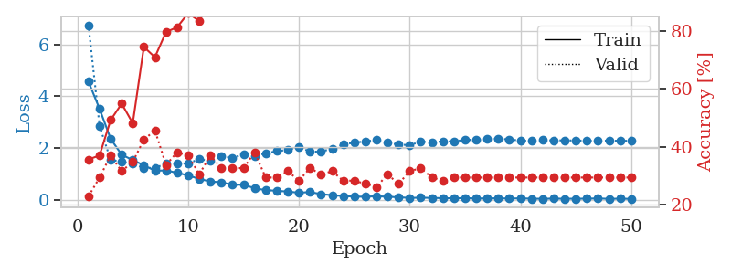
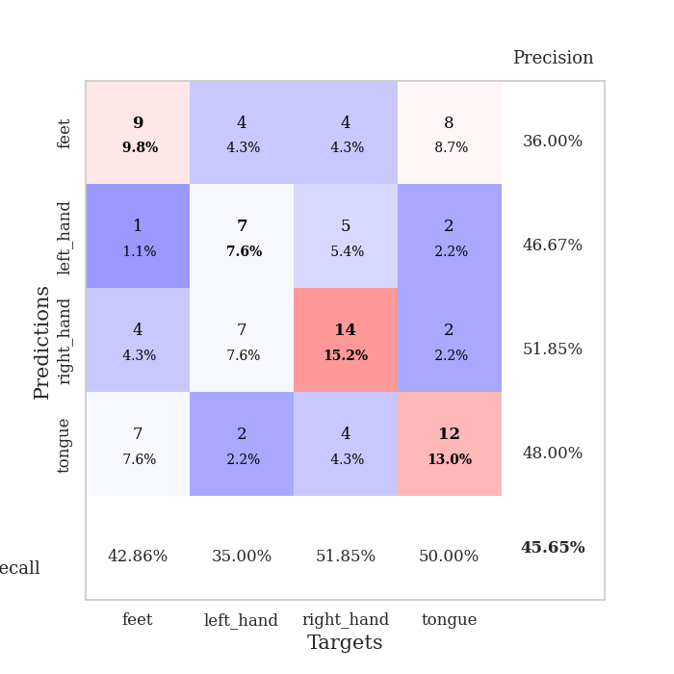
train_loss | valid_loss | train_accuracy | valid_accuracy | dur | train_misclass | valid_misclass
4.5633931782 | 6.7427441763 | 0.35597826087 | 0.22826086957 | 0.098821640015 | 35.597826087 | 22.826086957
3.5119961034 | 2.8506055189 | 0.36956521739 | 0.29347826087 | 0.10651040077 | 36.956521739 | 29.347826087
2.3572532975 | 1.5439628155 | 0.49184782609 | 0.36956521739 | 0.10063719749 | 49.184782609 | 36.956521739
1.7400135631 | 1.4650955874 | 0.54891304348 | 0.3152173913 | 0.097741603851 | 54.891304348 | 31.52173913
1.5355707977 | 1.3912753333 | 0.48097826087 | 0.34782608696 | 0.099276065826 | 48.097826087 | 34.782608696
1.334359366 | 1.2201632831 | 0.74456521739 | 0.42391304348 | 0.098202228546 | 74.456521739 | 42.391304348
1.1239979837 | 1.238972441 | 0.70923913043 | 0.45652173913 | 0.098001241684 | 70.923913043 | 45.652173913
1.1350595174 | 1.3860930101 | 0.79619565217 | 0.33695652174 | 0.098310232162 | 79.619565217 | 33.695652174
1.0452711919 | 1.4023729874 | 0.8125 | 0.38043478261 | 0.099076271057 | 81.25 | 38.043478261
0.94316211732 | 1.4081930233 | 0.86141304348 | 0.36956521739 | 0.10039925575 | 86.141304348 | 36.956521739
0.80706833756 | 1.5679045605 | 0.83423913043 | 0.30434782609 | 0.10442948341 | 83.423913043 | 30.434782609
0.70752175088 | 1.4999253076 | 0.90489130435 | 0.36956521739 | 0.10081291199 | 90.489130435 | 36.956521739
0.67901008544 | 1.6757230085 | 0.88586956522 | 0.32608695652 | 0.099705696106 | 88.586956522 | 32.608695652
0.57639746303 | 1.6143920266 | 0.95380434783 | 0.32608695652 | 0.10346913338 | 95.380434783 | 32.608695652
0.58964018005 | 1.7592645365 | 0.9347826087 | 0.32608695652 | 0.11297011375 | 93.47826087 | 32.608695652
0.44625024692 | 1.7018986785 | 0.97826086957 | 0.38043478261 | 0.11165928841 | 97.826086957 | 38.043478261
0.37544984209 | 1.7923910877 | 0.9972826087 | 0.29347826087 | 0.10146141052 | 99.72826087 | 29.347826087
0.34972068084 | 1.879581581 | 1 | 0.29347826087 | 0.10143280029 | 100 | 29.347826087
0.31942661431 | 1.9242175817 | 0.99184782609 | 0.3152173913 | 0.10522818565 | 99.184782609 | 31.52173913
0.27396204452 | 2.0458629701 | 0.99184782609 | 0.28260869565 | 0.10272717476 | 99.184782609 | 28.260869565
0.30075812405 | 1.8558534747 | 1 | 0.32608695652 | 0.10170912743 | 100 | 32.608695652
0.22083168995 | 1.8654091669 | 1 | 0.30434782609 | 0.10697102547 | 100 | 30.434782609
0.18080934785 | 1.9661689997 | 1 | 0.3152173913 | 0.10244202614 | 100 | 31.52173913
0.14718494775 | 2.142778324 | 1 | 0.28260869565 | 0.10072612762 | 100 | 28.260869565
0.12508835903 | 2.2042892498 | 1 | 0.28260869565 | 0.10275053978 | 100 | 28.260869565
0.11927818604 | 2.2559613663 | 1 | 0.27173913043 | 0.10250163078 | 100 | 27.173913043
0.13965769242 | 2.3050364619 | 1 | 0.26086956522 | 0.10908007622 | 100 | 26.086956522
0.12004017312 | 2.1981811886 | 1 | 0.30434782609 | 0.10653066635 | 100 | 30.434782609
0.099047924837 | 2.1344508866 | 1 | 0.27173913043 | 0.1043856144 | 100 | 27.173913043
0.075144039872 | 2.111320563 | 1 | 0.3152173913 | 0.10975408554 | 100 | 31.52173913
0.082818478224 | 2.2412567605 | 1 | 0.32608695652 | 0.10699248314 | 100 | 32.608695652
0.07484597073 | 2.2304264566 | 1 | 0.29347826087 | 0.10329675674 | 100 | 29.347826087
0.065069439011 | 2.2540631346 | 1 | 0.28260869565 | 0.10626649857 | 100 | 28.260869565
0.059476210938 | 2.2530258531 | 1 | 0.29347826087 | 0.11559343338 | 100 | 29.347826087
0.06884308133 | 2.3175938233 | 1 | 0.29347826087 | 0.10490131378 | 100 | 29.347826087
0.051695855415 | 2.3126362407 | 1 | 0.29347826087 | 0.10159492493 | 100 | 29.347826087
0.055983767845 | 2.3475643759 | 1 | 0.29347826087 | 0.10875272751 | 100 | 29.347826087
0.060468573447 | 2.3621297194 | 1 | 0.29347826087 | 0.10023880005 | 100 | 29.347826087
0.049568412663 | 2.3269136781 | 1 | 0.29347826087 | 0.10610151291 | 100 | 29.347826087
0.059197994941 | 2.2895123907 | 1 | 0.29347826087 | 0.10541629791 | 100 | 29.347826087
0.045039936536 | 2.2726156763 | 1 | 0.29347826087 | 0.10585427284 | 100 | 29.347826087
0.042408447794 | 2.3040575566 | 1 | 0.29347826087 | 0.1011762619 | 100 | 29.347826087
0.048214000063 | 2.2945340198 | 1 | 0.29347826087 | 0.10308241844 | 100 | 29.347826087
0.04317494008 | 2.2946157766 | 1 | 0.29347826087 | 0.10647630692 | 100 | 29.347826087
0.04472928144 | 2.287975446 | 1 | 0.29347826087 | 0.1027534008 | 100 | 29.347826087
0.045737765365 | 2.282915898 | 1 | 0.29347826087 | 0.10414266586 | 100 | 29.347826087
0.055172536725 | 2.2766495269 | 1 | 0.29347826087 | 0.10488629341 | 100 | 29.347826087
0.039029289624 | 2.2872170054 | 1 | 0.29347826087 | 0.10307383537 | 100 | 29.347826087
0.046352824763 | 2.2772569034 | 1 | 0.29347826087 | 0.10352540016 | 100 | 29.347826087
0.037239725135 | 2.2787061204 | 1 | 0.29347826087 | 0.11013460159 | 100 | 29.347826087

Best Val accuracy is 0.45652173913043476 and Best test accuracy is 0.3448275862068966

Sheet4
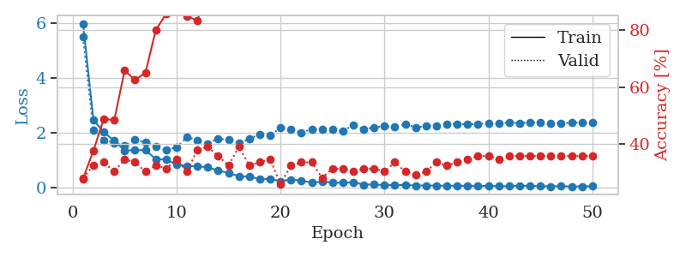
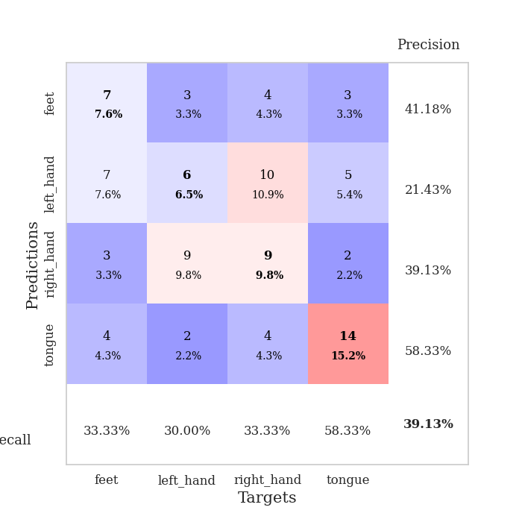
train_loss | valid_loss | train_accuracy | valid_accuracy | dur | train_misclass | valid_misclass
5.972938351 | 5.4750415657 | 0.27989130435 | 0.28260869565 | 0.10245156288 | 27.989130435 | 28.260869565
2.4533580801 | 2.0917798644 | 0.3777173913 | 0.32608695652 | 0.10753941536 | 37.77173913 | 32.608695652
2.0171193662 | 1.724146532 | 0.48913043478 | 0.33695652174 | 0.1010863781 | 48.913043478 | 33.695652174
1.6965948188 | 1.6190990728 | 0.48369565217 | 0.30434782609 | 0.10159397125 | 48.369565217 | 30.434782609
1.3479779492 | 1.5173124023 | 0.65760869565 | 0.34782608696 | 0.10328245163 | 65.760869565 | 34.782608696
1.3501050861 | 1.7298607723 | 0.625 | 0.33695652174 | 0.10215401649 | 62.5 | 33.695652174
1.3605423622 | 1.6477741055 | 0.64945652174 | 0.30434782609 | 0.10760378838 | 64.945652174 | 30.434782609
1.0286891875 | 1.4947171211 | 0.79891304348 | 0.32608695652 | 0.10013580322 | 79.891304348 | 32.608695652
1.0158304961 | 1.3664567574 | 0.85597826087 | 0.3152173913 | 0.10048508644 | 85.597826087 | 31.52173913
0.83048702971 | 1.4577808639 | 0.8722826087 | 0.34782608696 | 0.10993814468 | 87.22826087 | 34.782608696
0.78280640685 | 1.8321211338 | 0.84782608696 | 0.30434782609 | 0.10213851929 | 84.782608696 | 30.434782609
0.77191624952 | 1.7172641236 | 0.83152173913 | 0.38043478261 | 0.10062861443 | 83.152173913 | 38.043478261
0.72588507507 | 1.5950161322 | 0.95108695652 | 0.39130434783 | 0.10820317268 | 95.108695652 | 39.130434783
0.61801908975 | 1.7842536906 | 0.90489130435 | 0.35869565217 | 0.10156583786 | 90.489130435 | 35.869565217
0.52248637508 | 1.7263975869 | 0.97010869565 | 0.32608695652 | 0.10856294632 | 97.010869565 | 32.608695652
0.40848128822 | 1.6246006955 | 0.98369565217 | 0.39130434783 | 0.10736680031 | 98.369565217 | 39.130434783
0.39319004961 | 1.7664548936 | 0.98369565217 | 0.32608695652 | 0.099692821503 | 98.369565217 | 32.608695652
0.30391708373 | 1.9399139985 | 0.97554347826 | 0.33695652174 | 0.10516929626 | 97.554347826 | 33.695652174
0.30667644448 | 1.8976012261 | 1 | 0.34782608696 | 0.10630321503 | 100 | 34.782608696
0.22278294874 | 2.1674980703 | 0.98369565217 | 0.26086956522 | 0.10718607903 | 98.369565217 | 26.086956522
0.28756634842 | 2.1290033797 | 1 | 0.32608695652 | 0.10516738892 | 100 | 32.608695652
0.24372894868 | 1.9910934075 | 0.9972826087 | 0.33695652174 | 0.10795235634 | 99.72826087 | 33.695652174
0.17811001465 | 2.1263000654 | 1 | 0.33695652174 | 0.10299777985 | 100 | 33.695652174
0.20535504818 | 2.1017365456 | 1 | 0.28260869565 | 0.10294032097 | 100 | 28.260869565
0.17494828983 | 2.1070112871 | 1 | 0.3152173913 | 0.11287927628 | 100 | 31.52173913
0.1659825952 | 2.0439049057 | 1 | 0.3152173913 | 0.11125040054 | 100 | 31.52173913
0.18715561117 | 2.2845847296 | 1 | 0.30434782609 | 0.10669541359 | 100 | 30.434782609
0.099737254498 | 2.1088478254 | 1 | 0.3152173913 | 0.11234021187 | 100 | 31.52173913
0.10514760997 | 2.1899846637 | 1 | 0.3152173913 | 0.11265087128 | 100 | 31.52173913
0.083103226498 | 2.2266004708 | 1 | 0.30434782609 | 0.10499930382 | 100 | 30.434782609
0.082672295687 | 2.1995579367 | 1 | 0.33695652174 | 0.10934853554 | 100 | 33.695652174
0.084495884974 | 2.3012522511 | 1 | 0.30434782609 | 0.12074518204 | 100 | 30.434782609
0.068384431788 | 2.1885939992 | 1 | 0.29347826087 | 0.10164856911 | 100 | 29.347826087
0.064850016942 | 2.2333090098 | 1 | 0.30434782609 | 0.10259246826 | 100 | 30.434782609
0.067788955148 | 2.2507304938 | 1 | 0.33695652174 | 0.11167573929 | 100 | 33.695652174
0.057128964478 | 2.3155732777 | 1 | 0.32608695652 | 0.10841584206 | 100 | 32.608695652
0.06259090178 | 2.3101429421 | 1 | 0.33695652174 | 0.1002035141 | 100 | 33.695652174
0.051356074481 | 2.2971172125 | 1 | 0.34782608696 | 0.10409259796 | 100 | 34.782608696
0.048249811622 | 2.3145486687 | 1 | 0.35869565217 | 0.10912775993 | 100 | 35.869565217
0.051008142247 | 2.3414019502 | 1 | 0.35869565217 | 0.099679708481 | 100 | 35.869565217
0.046896736664 | 2.3267492522 | 1 | 0.34782608696 | 0.10359191895 | 100 | 34.782608696
0.038452356224 | 2.360257128 | 1 | 0.35869565217 | 0.11290740967 | 100 | 35.869565217
0.062278271288 | 2.3485663766 | 1 | 0.35869565217 | 0.10495877266 | 100 | 35.869565217
0.055130370366 | 2.3661246403 | 1 | 0.35869565217 | 0.10975170135 | 100 | 35.869565217
0.042370594066 | 2.3626683069 | 1 | 0.35869565217 | 0.10104322433 | 100 | 35.869565217
0.037125933936 | 2.3478463733 | 1 | 0.35869565217 | 0.10085296631 | 100 | 35.869565217
0.046965186444 | 2.3434605702 | 1 | 0.35869565217 | 0.10376811028 | 100 | 35.869565217
0.030246411936 | 2.3582644774 | 1 | 0.35869565217 | 0.11452960968 | 100 | 35.869565217
0.036110460475 | 2.3509234864 | 1 | 0.35869565217 | 0.11186671257 | 100 | 35.869565217
0.041080716511 | 2.3616659019 | 1 | 0.35869565217 | 0.10700321198 | 100 | 35.869565217

Best Val accuracy is 0.391304347826087 and Best test accuracy is 0.4396551724137931

Sheet5
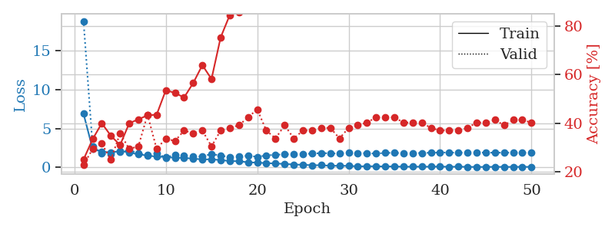
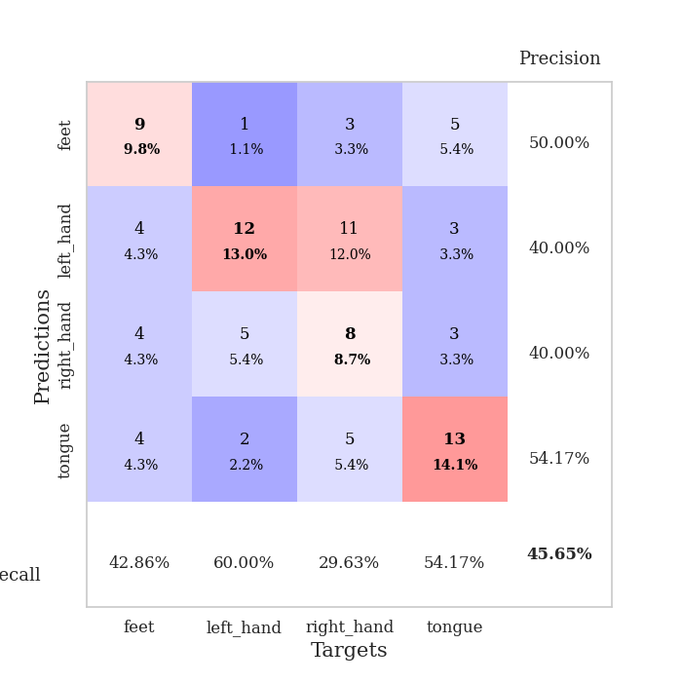
train_loss | valid_loss | train_accuracy | valid_accuracy | dur | train_misclass | valid_misclass
6.9059203811 | 18.811091879 | 0.25 | 0.22826086957 | 0.10059070587 | 25 | 22.826086957
2.386305073 | 2.6753075537 | 0.33423913043 | 0.29347826087 | 0.10831308365 | 33.423913043 | 29.347826087
2.0604718716 | 1.7865724097 | 0.39945652174 | 0.3152173913 | 0.09871006012 | 39.945652174 | 31.52173913
1.8984675692 | 1.6851270665 | 0.34782608696 | 0.25 | 0.098800420761 | 34.782608696 | 25
2.1365488042 | 1.9713780154 | 0.3097826087 | 0.35869565217 | 0.10479402542 | 30.97826087 | 35.869565217
1.9177698985 | 2.2584673322 | 0.39945652174 | 0.29347826087 | 0.10301566124 | 39.945652174 | 29.347826087
1.7027552853 | 1.7979538544 | 0.41576086957 | 0.30434782609 | 0.11061668396 | 41.576086957 | 30.434782609
1.5243091816 | 1.5948483996 | 0.43206521739 | 0.4347826087 | 0.10342264175 | 43.206521739 | 43.47826087
1.3990735282 | 1.803408602 | 0.4347826087 | 0.29347826087 | 0.10200929642 | 43.47826087 | 29.347826087
1.3439400999 | 1.2597482308 | 0.53532608696 | 0.33695652174 | 0.10301494598 | 53.532608696 | 33.695652174
1.2485456829 | 1.6412125048 | 0.52445652174 | 0.32608695652 | 0.10776996613 | 52.445652174 | 32.608695652
1.2365582689 | 1.5315230722 | 0.50543478261 | 0.36956521739 | 0.098954916 | 50.543478261 | 36.956521739
1.1219318613 | 1.4010404763 | 0.5652173913 | 0.35869565217 | 0.10237836838 | 56.52173913 | 35.869565217
1.0493795872 | 1.425498356 | 0.63858695652 | 0.36956521739 | 0.10640978813 | 63.858695652 | 36.956521739
1.0401327973 | 1.730341336 | 0.58152173913 | 0.30434782609 | 0.10732102394 | 58.152173913 | 30.434782609
0.95847254214 | 1.5263847527 | 0.7527173913 | 0.36956521739 | 0.10589170456 | 75.27173913 | 36.956521739
0.82505578321 | 1.3375286693 | 0.84510869565 | 0.38043478261 | 0.10299229622 | 84.510869565 | 38.043478261
0.80275592078 | 1.3997192642 | 0.85597826087 | 0.39130434783 | 0.10292172432 | 85.597826087 | 39.130434783
0.66052690408 | 1.5085673384 | 0.92119565217 | 0.42391304348 | 0.10942101479 | 92.119565217 | 42.391304348
0.62659301317 | 1.3702044642 | 0.96467391304 | 0.45652173913 | 0.10574746132 | 96.467391304 | 45.652173913
0.55620101872 | 1.5446717635 | 0.96467391304 | 0.36956521739 | 0.10280251503 | 96.467391304 | 36.956521739
0.51250828608 | 1.6413395197 | 0.97826086957 | 0.33695652174 | 0.10536551476 | 97.826086957 | 33.695652174
0.45290943527 | 1.6755820565 | 0.98369565217 | 0.39130434783 | 0.10815262794 | 98.369565217 | 39.130434783
0.38230535712 | 1.7347071326 | 0.98097826087 | 0.33695652174 | 0.11958003044 | 98.097826087 | 33.695652174
0.34623202163 | 1.7335934017 | 0.9972826087 | 0.36956521739 | 0.11410808563 | 99.72826087 | 36.956521739
0.28889916967 | 1.782980893 | 0.9972826087 | 0.36956521739 | 0.10240459442 | 99.72826087 | 36.956521739
0.28948359515 | 1.84669406 | 1 | 0.38043478261 | 0.10311436653 | 100 | 38.043478261
0.22005804531 | 1.8206489449 | 0.99184782609 | 0.38043478261 | 0.10462832451 | 99.184782609 | 38.043478261
0.21935848697 | 1.7720705737 | 1 | 0.33695652174 | 0.10873699188 | 100 | 33.695652174
0.20774466091 | 1.917787272 | 0.9972826087 | 0.38043478261 | 0.1026828289 | 99.72826087 | 38.043478261
0.13911544645 | 1.7871867677 | 1 | 0.39130434783 | 0.10334587097 | 100 | 39.130434783
0.16253033029 | 1.8516603812 | 1 | 0.40217391304 | 0.10327363014 | 100 | 40.217391304
0.14804847571 | 1.7684353953 | 1 | 0.42391304348 | 0.11578440666 | 100 | 42.391304348
0.13279904393 | 1.8819737849 | 1 | 0.42391304348 | 0.10100650787 | 100 | 42.391304348
0.13287929996 | 1.8696736875 | 1 | 0.42391304348 | 0.11766910553 | 100 | 42.391304348
0.095508590908 | 1.8372077475 | 1 | 0.40217391304 | 0.10607481003 | 100 | 40.217391304
0.1015040306 | 1.8255612176 | 1 | 0.40217391304 | 0.11149334908 | 100 | 40.217391304
0.1035325673 | 1.8647380653 | 1 | 0.40217391304 | 0.10811471939 | 100 | 40.217391304
0.099604939394 | 1.8945707601 | 1 | 0.38043478261 | 0.10316586494 | 100 | 38.043478261
0.11794795112 | 1.9206205503 | 1 | 0.36956521739 | 0.10662198067 | 100 | 36.956521739
0.086483802565 | 1.9167899412 | 1 | 0.36956521739 | 0.10388422012 | 100 | 36.956521739
0.10311145109 | 1.8978692708 | 1 | 0.36956521739 | 0.10820174217 | 100 | 36.956521739
0.079406783471 | 1.9136296407 | 1 | 0.38043478261 | 0.10293078423 | 100 | 38.043478261
0.068657423572 | 1.9047274641 | 1 | 0.40217391304 | 0.10854244232 | 100 | 40.217391304
0.069980466414 | 1.9092118844 | 1 | 0.40217391304 | 0.10225892067 | 100 | 40.217391304
0.085575590599 | 1.8994405632 | 1 | 0.41304347826 | 0.10776305199 | 100 | 41.304347826
0.074597777191 | 1.905320888 | 1 | 0.39130434783 | 0.10980081558 | 100 | 39.130434783
0.076759069348 | 1.8897676468 | 1 | 0.41304347826 | 0.10272407532 | 100 | 41.304347826
0.08084065787 | 1.898476129 | 1 | 0.41304347826 | 0.10596060753 | 100 | 41.304347826
0.077143136331 | 1.8921008784 | 1 | 0.40217391304 | 0.1080429554 | 100 | 40.217391304

Best Val accuracy is 0.45652173913043476 and Best test accuracy is 0.45689655172413796

Sheet6
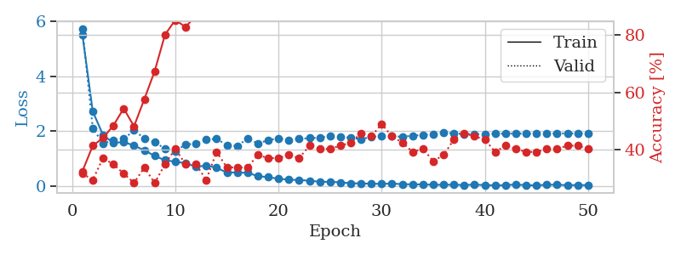
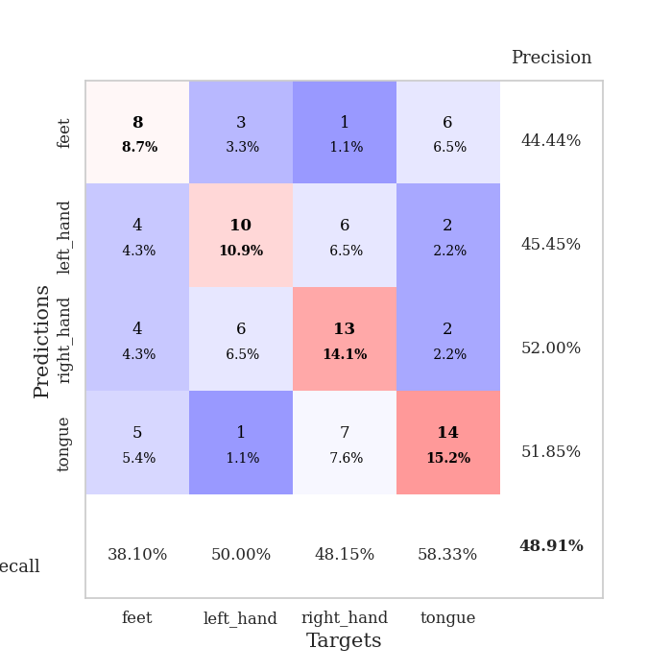
train_loss | valid_loss | train_accuracy | valid_accuracy | dur | train_misclass | valid_misclass
5.5105526395 | 5.7247786729 | 0.32336956522 | 0.3152173913 | 0.099324941635 | 32.336956522 | 31.52173913
2.7259514487 | 2.11159533 | 0.41304347826 | 0.29347826087 | 0.098197460175 | 41.304347826 | 29.347826087
1.8621343841 | 1.557993552 | 0.4402173913 | 0.36956521739 | 0.10394382477 | 44.02173913 | 36.956521739
1.5787269914 | 1.6887113115 | 0.48369565217 | 0.34782608696 | 0.1031191349 | 48.369565217 | 34.782608696
1.6128126642 | 1.7216317135 | 0.54347826087 | 0.3152173913 | 0.10250353813 | 54.347826087 | 31.52173913
1.4809630643 | 2.0309040546 | 0.48097826087 | 0.28260869565 | 0.099808216095 | 48.097826087 | 28.260869565
1.3099760646 | 1.7470634709 | 0.57608695652 | 0.33695652174 | 0.10276675224 | 57.608695652 | 33.695652174
1.1058897376 | 1.6013052826 | 0.67391304348 | 0.28260869565 | 0.099194049835 | 67.391304348 | 28.260869565
0.95046190075 | 1.3729777388 | 0.80163043478 | 0.34782608696 | 0.10051822662 | 80.163043478 | 34.782608696
0.89395946005 | 1.2705015151 | 0.85326086957 | 0.40217391304 | 0.10155677795 | 85.326086957 | 40.217391304
0.84522145468 | 1.5269748698 | 0.82880434783 | 0.34782608696 | 0.10456037521 | 82.880434783 | 34.782608696
0.71189744447 | 1.5429407565 | 0.86956521739 | 0.34782608696 | 0.10457706451 | 86.956521739 | 34.782608696
0.75531678744 | 1.7033700788 | 0.90217391304 | 0.29347826087 | 0.10379981995 | 90.217391304 | 29.347826087
0.67750341089 | 1.7234806185 | 0.88586956522 | 0.39130434783 | 0.10072350502 | 88.586956522 | 39.130434783
0.50131131385 | 1.4992343654 | 0.97010869565 | 0.33695652174 | 0.10589337349 | 97.010869565 | 33.695652174
0.50856294969 | 1.4668151969 | 0.98641304348 | 0.33695652174 | 0.10364580154 | 98.641304348 | 33.695652174
0.48738973815 | 1.7313838161 | 0.96467391304 | 0.33695652174 | 0.10815405846 | 96.467391304 | 33.695652174
0.37618584866 | 1.562520872 | 0.99184782609 | 0.38043478261 | 0.1068880558 | 99.184782609 | 38.043478261
0.3318664383 | 1.6760666733 | 0.98913043478 | 0.36956521739 | 0.10278511047 | 98.913043478 | 36.956521739
0.27820250554 | 1.747757497 | 0.99184782609 | 0.36956521739 | 0.10483288765 | 99.184782609 | 36.956521739
0.2402924134 | 1.6691911583 | 0.9972826087 | 0.38043478261 | 0.10580682755 | 99.72826087 | 38.043478261
0.23159579706 | 1.7229805874 | 1 | 0.36956521739 | 0.11395835876 | 100 | 36.956521739
0.20518944056 | 1.7525526803 | 0.99456521739 | 0.41304347826 | 0.10937142372 | 99.456521739 | 41.304347826
0.16857118435 | 1.7651230563 | 1 | 0.40217391304 | 0.11037373543 | 100 | 40.217391304
0.16338886612 | 1.8317253901 | 1 | 0.40217391304 | 0.1017370224 | 100 | 40.217391304
0.14592310171 | 1.8122411966 | 1 | 0.41304347826 | 0.10876965523 | 100 | 41.304347826
0.11064107765 | 1.7595627049 | 1 | 0.42391304348 | 0.10092878342 | 100 | 42.391304348
0.10722274779 | 1.7200374862 | 1 | 0.45652173913 | 0.10365796089 | 100 | 45.652173913
0.095310113595 | 1.794008312 | 1 | 0.44565217391 | 0.11175370216 | 100 | 44.565217391
0.091605435652 | 1.8343117185 | 1 | 0.48913043478 | 0.10900473595 | 100 | 48.913043478
0.10084333886 | 1.8147554294 | 1 | 0.44565217391 | 0.10322761536 | 100 | 44.565217391
0.081169507689 | 1.8068353508 | 1 | 0.42391304348 | 0.11025977135 | 100 | 42.391304348
0.071921849542 | 1.8381701812 | 1 | 0.39130434783 | 0.10598111153 | 100 | 39.130434783
0.071979395762 | 1.8725654509 | 1 | 0.40217391304 | 0.10378146172 | 100 | 40.217391304
0.05976998885 | 1.8986518953 | 1 | 0.35869565217 | 0.10364079475 | 100 | 35.869565217
0.055424860152 | 1.938158196 | 1 | 0.38043478261 | 0.1049516201 | 100 | 38.043478261
0.061679411437 | 1.9292730611 | 1 | 0.4347826087 | 0.1018910408 | 100 | 43.47826087
0.047025999014 | 1.9001011226 | 1 | 0.45652173913 | 0.10597801208 | 100 | 45.652173913
0.064797272663 | 1.8997514196 | 1 | 0.44565217391 | 0.10533094406 | 100 | 44.565217391
0.046634755219 | 1.8880659445 | 1 | 0.4347826087 | 0.10299062729 | 100 | 43.47826087
0.03714919888 | 1.9150051656 | 1 | 0.39130434783 | 0.10316848755 | 100 | 39.130434783
0.041842843608 | 1.9159049936 | 1 | 0.41304347826 | 0.096713542938 | 100 | 41.304347826
0.071299956929 | 1.9190936037 | 1 | 0.40217391304 | 0.10678696632 | 100 | 40.217391304
0.039709130262 | 1.9167838563 | 1 | 0.39130434783 | 0.10443401337 | 100 | 39.130434783
0.03834515065 | 1.9172052145 | 1 | 0.39130434783 | 0.10719347 | 100 | 39.130434783
0.057510938455 | 1.9181711622 | 1 | 0.40217391304 | 0.11114239693 | 100 | 40.217391304
0.058895872298 | 1.9235397888 | 1 | 0.40217391304 | 0.10696411133 | 100 | 40.217391304
0.042719670612 | 1.9213299699 | 1 | 0.41304347826 | 0.10725069046 | 100 | 41.304347826
0.049727110273 | 1.922406321 | 1 | 0.41304347826 | 0.10890984535 | 100 | 41.304347826
0.043550753844 | 1.9164637016 | 1 | 0.40217391304 | 0.11037158966 | 100 | 40.217391304

Best Val accuracy is 0.4891304347826087 and Best test accuracy is 0.3620689655172414

Sheet7
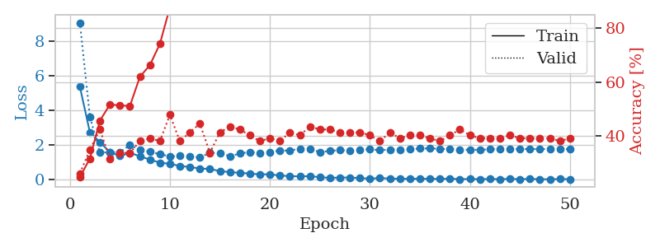
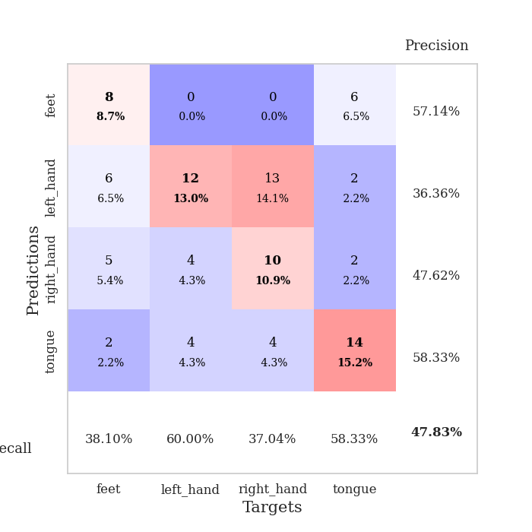
train_loss | valid_loss | train_accuracy | valid_accuracy | dur | train_misclass | valid_misclass
5.3712504688 | 9.0748788792 | 0.2472826087 | 0.26086956522 | 0.10180807114 | 24.72826087 | 26.086956522
2.7438957328 | 3.646130396 | 0.3152173913 | 0.34782608696 | 0.098972320557 | 31.52173913 | 34.782608696
2.1826701579 | 1.5684978288 | 0.45652173913 | 0.42391304348 | 0.10036540031 | 45.652173913 | 42.391304348
1.599207251 | 1.6038633429 | 0.51630434783 | 0.3152173913 | 0.10494923592 | 51.630434783 | 31.52173913
1.3760634842 | 1.5974691692 | 0.51358695652 | 0.33695652174 | 0.10620737076 | 51.358695652 | 33.695652174
1.5578408293 | 2.004840799 | 0.51086956522 | 0.33695652174 | 0.10592794418 | 51.086956522 | 33.695652174
1.3645627784 | 1.7189290213 | 0.61956521739 | 0.38043478261 | 0.10694813728 | 61.956521739 | 38.043478261
1.1669719582 | 1.6234136613 | 0.66304347826 | 0.39130434783 | 0.10609173775 | 66.304347826 | 39.130434783
0.99376994112 | 1.4829186512 | 0.74184782609 | 0.38043478261 | 0.10103607178 | 74.184782609 | 38.043478261
0.92599846747 | 1.3511981964 | 0.8777173913 | 0.47826086957 | 0.10060286522 | 87.77173913 | 47.826086957
0.80331855883 | 1.3815951503 | 0.86684782609 | 0.38043478261 | 0.10092139244 | 86.684782609 | 38.043478261
0.74062294286 | 1.3434821264 | 0.91847826087 | 0.41304347826 | 0.10693335533 | 91.847826087 | 41.304347826
0.65633418508 | 1.2915875393 | 0.96739130435 | 0.44565217391 | 0.10588788986 | 96.739130435 | 44.565217391
0.62858136193 | 1.5663907217 | 0.95923913043 | 0.33695652174 | 0.10353827477 | 95.923913043 | 33.695652174
0.50582452054 | 1.5507887965 | 0.97554347826 | 0.41304347826 | 0.11169075966 | 97.554347826 | 41.304347826
0.44666691189 | 1.3613136748 | 0.98097826087 | 0.4347826087 | 0.10831165314 | 98.097826087 | 43.47826087
0.40292964422 | 1.5210421241 | 0.99456521739 | 0.42391304348 | 0.099860191345 | 99.456521739 | 42.391304348
0.36708703054 | 1.6091816477 | 1 | 0.40217391304 | 0.10478067398 | 100 | 40.217391304
0.31175542461 | 1.5359170178 | 1 | 0.38043478261 | 0.10867786407 | 100 | 38.043478261
0.3238048223 | 1.5992015497 | 0.9972826087 | 0.39130434783 | 0.10515642166 | 99.72826087 | 39.130434783
0.24406717199 | 1.6970306117 | 1 | 0.38043478261 | 0.099240779877 | 100 | 38.043478261
0.21898211085 | 1.6891935442 | 1 | 0.41304347826 | 0.10069298744 | 100 | 41.304347826
0.19327684427 | 1.8018033401 | 1 | 0.40217391304 | 0.11253976822 | 100 | 40.217391304
0.21787364392 | 1.7765383358 | 1 | 0.4347826087 | 0.11411356926 | 100 | 43.47826087
0.14912671709 | 1.6031352593 | 1 | 0.42391304348 | 0.10673952103 | 100 | 42.391304348
0.1159303969 | 1.6629830547 | 1 | 0.42391304348 | 0.10577392578 | 100 | 42.391304348
0.12879760118 | 1.7224923269 | 1 | 0.41304347826 | 0.096907377243 | 100 | 41.304347826
0.13719923422 | 1.6867628875 | 1 | 0.41304347826 | 0.09912109375 | 100 | 41.304347826
0.10125288319 | 1.7468550361 | 1 | 0.41304347826 | 0.099521636963 | 100 | 41.304347826
0.071265318674 | 1.7573373629 | 1 | 0.40217391304 | 0.10256075859 | 100 | 40.217391304
0.10499183234 | 1.719224821 | 1 | 0.38043478261 | 0.10131549835 | 100 | 38.043478261
0.074684893065 | 1.7392510901 | 1 | 0.41304347826 | 0.10014510155 | 100 | 41.304347826
0.056443182428 | 1.7417801567 | 1 | 0.39130434783 | 0.099712371826 | 100 | 39.130434783
0.066980844364 | 1.758195478 | 1 | 0.40217391304 | 0.10089302063 | 100 | 40.217391304
0.059069382553 | 1.8066158657 | 1 | 0.40217391304 | 0.099315166473 | 100 | 40.217391304
0.062303443156 | 1.8160271489 | 1 | 0.39130434783 | 0.10650444031 | 100 | 39.130434783
0.05300670024 | 1.7925420378 | 1 | 0.38043478261 | 0.10344791412 | 100 | 38.043478261
0.068523189863 | 1.7643535811 | 1 | 0.40217391304 | 0.10784459114 | 100 | 40.217391304
0.043197859119 | 1.7459184191 | 1 | 0.42391304348 | 0.11187672615 | 100 | 42.391304348
0.048171198927 | 1.7341115786 | 1 | 0.40217391304 | 0.11051535606 | 100 | 40.217391304
0.0407071896 | 1.7327783626 | 1 | 0.39130434783 | 0.10705184937 | 100 | 39.130434783
0.050251167753 | 1.7678003363 | 1 | 0.39130434783 | 0.10962414742 | 100 | 39.130434783
0.040257860056 | 1.7722135627 | 1 | 0.39130434783 | 0.11245751381 | 100 | 39.130434783
0.057451881063 | 1.775889775 | 1 | 0.40217391304 | 0.10396122932 | 100 | 40.217391304
0.039364786393 | 1.7783882255 | 1 | 0.39130434783 | 0.11230945587 | 100 | 39.130434783
0.054310913481 | 1.7811629047 | 1 | 0.39130434783 | 0.11268901825 | 100 | 39.130434783
0.038079021782 | 1.7726567932 | 1 | 0.39130434783 | 0.10606861115 | 100 | 39.130434783
0.032707945707 | 1.7823353073 | 1 | 0.39130434783 | 0.10098648071 | 100 | 39.130434783
0.045139112874 | 1.78152924 | 1 | 0.38043478261 | 0.10773348808 | 100 | 38.043478261
0.039036196211 | 1.775055367 | 1 | 0.39130434783 | 0.10907959938 | 100 | 39.130434783

Best Val accuracy is 0.4782608695652174 and Best test accuracy is 0.35344827586206895

Sheet8
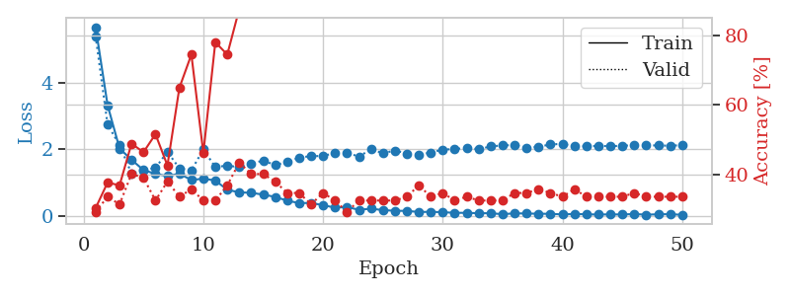
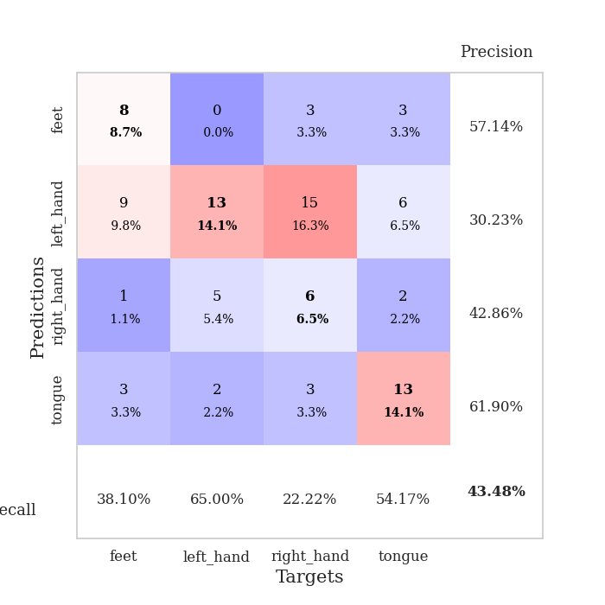
train_loss | valid_loss | train_accuracy | valid_accuracy | dur | train_misclass | valid_misclass
5.6901054797 | 5.419652462 | 0.30434782609 | 0.29347826087 | 0.10041809082 | 30.434782609 | 29.347826087
3.3364313893 | 2.7470334302 | 0.3777173913 | 0.33695652174 | 0.10749459267 | 37.77173913 | 33.695652174
2.0285169353 | 2.1354780819 | 0.36956521739 | 0.3152173913 | 0.10255479813 | 36.956521739 | 31.52173913
1.6888873629 | 1.2733012697 | 0.48913043478 | 0.40217391304 | 0.1015291214 | 48.913043478 | 40.217391304
1.3783574078 | 1.3719391978 | 0.46467391304 | 0.39130434783 | 0.11060214043 | 46.467391304 | 39.130434783
1.2638086754 | 1.4425451652 | 0.51630434783 | 0.32608695652 | 0.10041570663 | 51.630434783 | 32.608695652
1.1970295932 | 1.927447941 | 0.42663043478 | 0.38043478261 | 0.1055264473 | 42.663043478 | 38.043478261
1.2664569668 | 1.4298759129 | 0.64945652174 | 0.33695652174 | 0.10232591629 | 64.945652174 | 33.695652174
1.0785097946 | 1.3678284106 | 0.74456521739 | 0.35869565217 | 0.10295081139 | 74.456521739 | 35.869565217
1.1190757907 | 2.0012931927 | 0.46195652174 | 0.32608695652 | 0.107442379 | 46.195652174 | 32.608695652
1.0645361206 | 1.4693090657 | 0.77989130435 | 0.32608695652 | 0.099120855331 | 77.989130435 | 32.608695652
0.78228278264 | 1.5135035463 | 0.74456521739 | 0.36956521739 | 0.10726809502 | 74.456521739 | 36.956521739
0.70752965627 | 1.465431032 | 0.875 | 0.4347826087 | 0.1125805378 | 87.5 | 43.47826087
0.69018518925 | 1.5723128578 | 0.91304347826 | 0.40217391304 | 0.1075398922 | 91.304347826 | 40.217391304
0.63850999397 | 1.6645698755 | 0.91032608696 | 0.40217391304 | 0.10287880898 | 91.032608696 | 40.217391304
0.56824497425 | 1.5301685955 | 0.95380434783 | 0.38043478261 | 0.10502314568 | 95.380434783 | 38.043478261
0.4553398004 | 1.6191218262 | 0.98641304348 | 0.34782608696 | 0.10186934471 | 98.641304348 | 34.782608696
0.3819441737 | 1.7537532216 | 0.99456521739 | 0.34782608696 | 0.10900759697 | 99.456521739 | 34.782608696
0.38507346809 | 1.8002707233 | 0.98913043478 | 0.3152173913 | 0.10191679001 | 98.913043478 | 31.52173913
0.31914057939 | 1.8019068759 | 1 | 0.34782608696 | 0.10800790787 | 100 | 34.782608696
0.24401547825 | 1.8964279631 | 1 | 0.32608695652 | 0.10529088974 | 100 | 32.608695652
0.26421161158 | 1.9046039374 | 0.9972826087 | 0.29347826087 | 0.11208963394 | 99.72826087 | 29.347826087
0.17854062111 | 1.7821523573 | 1 | 0.32608695652 | 0.10839796066 | 100 | 32.608695652
0.21296650058 | 2.0079881575 | 0.9972826087 | 0.32608695652 | 0.099558591843 | 99.72826087 | 32.608695652
0.1703234059 | 1.8849884272 | 1 | 0.32608695652 | 0.10341501236 | 100 | 32.608695652
0.14963806161 | 1.9692714577 | 1 | 0.32608695652 | 0.10925674438 | 100 | 32.608695652
0.14652575148 | 1.8784336214 | 1 | 0.33695652174 | 0.10479211807 | 100 | 33.695652174
0.11281640779 | 1.8474046044 | 1 | 0.36956521739 | 0.10203909874 | 100 | 36.956521739
0.11832809999 | 1.9048852661 | 1 | 0.33695652174 | 0.10064816475 | 100 | 33.695652174
0.10635872137 | 1.9966121186 | 1 | 0.34782608696 | 0.09980225563 | 100 | 34.782608696
0.08797214164 | 2.0106352516 | 1 | 0.32608695652 | 0.099783420563 | 100 | 32.608695652
0.087807810379 | 2.0482242004 | 1 | 0.33695652174 | 0.1036901474 | 100 | 33.695652174
0.075676195242 | 2.006042128 | 1 | 0.32608695652 | 0.1056125164 | 100 | 32.608695652
0.076109187839 | 2.0902137083 | 1 | 0.32608695652 | 0.10348248482 | 100 | 32.608695652
0.046409931439 | 2.1223053932 | 1 | 0.32608695652 | 0.10292816162 | 100 | 32.608695652
0.073005601399 | 2.1315362142 | 1 | 0.34782608696 | 0.11256337166 | 100 | 34.782608696
0.066942390257 | 2.0558726477 | 1 | 0.34782608696 | 0.10038089752 | 100 | 34.782608696
0.060285110391 | 2.0755361941 | 1 | 0.35869565217 | 0.10321140289 | 100 | 35.869565217
0.058459951745 | 2.1549284873 | 1 | 0.34782608696 | 0.10348796844 | 100 | 34.782608696
0.038784292041 | 2.1651906138 | 1 | 0.33695652174 | 0.1063888073 | 100 | 33.695652174
0.055029222701 | 2.1003413822 | 1 | 0.35869565217 | 0.11427521706 | 100 | 35.869565217
0.043172866025 | 2.0941500664 | 1 | 0.33695652174 | 0.10838007927 | 100 | 33.695652174
0.036827391864 | 2.1076478492 | 1 | 0.33695652174 | 0.10700941086 | 100 | 33.695652174
0.041050219544 | 2.1013850907 | 1 | 0.33695652174 | 0.10383939743 | 100 | 33.695652174
0.037761399158 | 2.1074985007 | 1 | 0.33695652174 | 0.10196018219 | 100 | 33.695652174
0.052049623337 | 2.1344595629 | 1 | 0.34782608696 | 0.10120391846 | 100 | 34.782608696
0.031765135248 | 2.1223446183 | 1 | 0.33695652174 | 0.10704135895 | 100 | 33.695652174
0.043980329824 | 2.1203804379 | 1 | 0.33695652174 | 0.10460495949 | 100 | 33.695652174
0.047553372995 | 2.1116034518 | 1 | 0.33695652174 | 0.096249818802 | 100 | 33.695652174
0.027241532286 | 2.1291366816 | 1 | 0.33695652174 | 0.096262216568 | 100 | 33.695652174

Best Val accuracy is 0.43478260869565216 and Best test accuracy is 0.43103448275862066

Sheet9
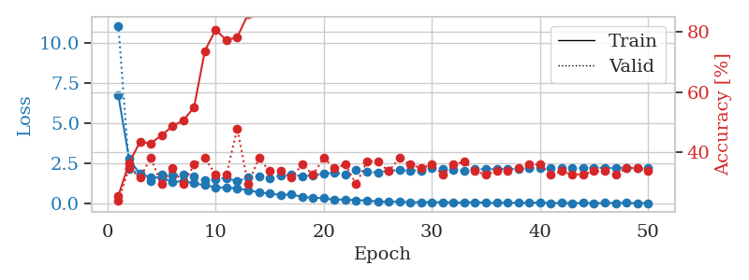
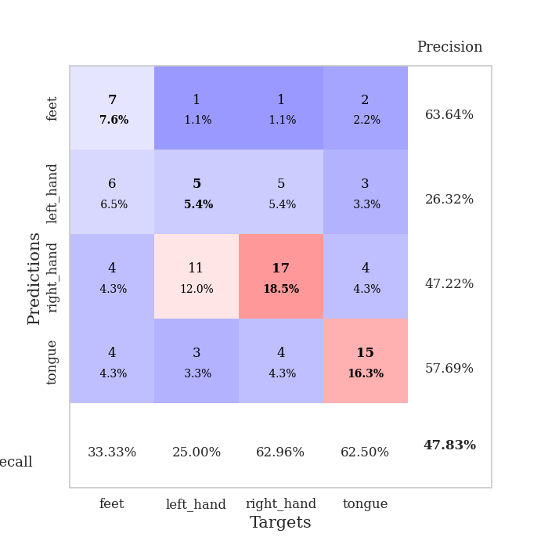
train_loss | valid_loss | train_accuracy | valid_accuracy | dur | train_misclass | valid_misclass
6.7230998692 | 11.065782091 | 0.25543478261 | 0.23913043478 | 0.097012519836 | 25.543478261 | 23.913043478
2.7878261908 | 2.1469079412 | 0.36413043478 | 0.34782608696 | 0.096961736679 | 36.413043478 | 34.782608696
1.8392972635 | 1.8717301566 | 0.4347826087 | 0.3152173913 | 0.10054469109 | 43.47826087 | 31.52173913
1.6544818541 | 1.4096503413 | 0.42934782609 | 0.38043478261 | 0.10796785355 | 42.934782609 | 38.043478261
1.6085130831 | 1.8118068239 | 0.45652173913 | 0.29347826087 | 0.10421943665 | 45.652173913 | 29.347826087
1.3725065615 | 1.7613744373 | 0.48641304348 | 0.34782608696 | 0.10738182068 | 48.641304348 | 34.782608696
1.3966974435 | 1.8489527651 | 0.50543478261 | 0.29347826087 | 0.11464953423 | 50.543478261 | 29.347826087
1.2808543081 | 1.7039628599 | 0.54891304348 | 0.35869565217 | 0.11296224594 | 54.891304348 | 35.869565217
1.1561187117 | 1.4570153433 | 0.73641304348 | 0.38043478261 | 0.10807085037 | 73.641304348 | 38.043478261
1.0232363058 | 1.5439681022 | 0.80706521739 | 0.32608695652 | 0.10642671585 | 80.706521739 | 32.608695652
1.0054790222 | 1.6137797314 | 0.77173913043 | 0.32608695652 | 0.1111907959 | 77.173913043 | 32.608695652
0.95942920706 | 1.3920176703 | 0.78260869565 | 0.47826086957 | 0.10232949257 | 78.260869565 | 47.826086957
0.84938314816 | 1.6381524335 | 0.85869565217 | 0.29347826087 | 0.10237884521 | 85.869565217 | 29.347826087
0.70894660768 | 1.7194173388 | 0.91304347826 | 0.38043478261 | 0.11192655563 | 91.304347826 | 38.043478261
0.64093629562 | 1.6137544383 | 0.9402173913 | 0.33695652174 | 0.10229992867 | 94.02173913 | 33.695652174
0.54782748741 | 1.736111869 | 0.94836956522 | 0.33695652174 | 0.10535264015 | 94.836956522 | 33.695652174
0.58290894394 | 1.8038983345 | 0.98097826087 | 0.3152173913 | 0.1137046814 | 98.097826087 | 31.52173913
0.43647828115 | 1.7261705554 | 0.97826086957 | 0.35869565217 | 0.10761713982 | 97.826086957 | 35.869565217
0.37650528518 | 1.7708285788 | 0.99184782609 | 0.32608695652 | 0.112210989 | 99.184782609 | 32.608695652
0.35396466955 | 1.8642934664 | 0.9972826087 | 0.38043478261 | 0.10407090187 | 99.72826087 | 38.043478261
0.25559507375 | 1.9543246394 | 0.98913043478 | 0.34782608696 | 0.10379290581 | 98.913043478 | 34.782608696
0.27302240645 | 1.8213519895 | 1 | 0.35869565217 | 0.10989904404 | 100 | 35.869565217
0.2225670131 | 2.1250586199 | 1 | 0.29347826087 | 0.10429310799 | 100 | 29.347826087
0.20983796955 | 1.9842826335 | 1 | 0.36956521739 | 0.105489254 | 100 | 36.956521739
0.1467099342 | 1.9552909861 | 1 | 0.36956521739 | 0.11072850227 | 100 | 36.956521739
0.12999154449 | 2.0604590126 | 1 | 0.33695652174 | 0.10498285294 | 100 | 33.695652174
0.14360641121 | 2.0917531252 | 1 | 0.38043478261 | 0.10785293579 | 100 | 38.043478261
0.098820672006 | 2.0663138991 | 1 | 0.35869565217 | 0.11022400856 | 100 | 35.869565217
0.10801064887 | 2.0721219934 | 1 | 0.34782608696 | 0.10625553131 | 100 | 34.782608696
0.10402430019 | 2.2253856918 | 1 | 0.35869565217 | 0.10311102867 | 100 | 35.869565217
0.10480697651 | 2.1940216707 | 1 | 0.32608695652 | 0.11067605019 | 100 | 32.608695652
0.083784330555 | 2.1138646447 | 1 | 0.35869565217 | 0.10415959358 | 100 | 35.869565217
0.07853752731 | 2.0413552626 | 1 | 0.36956521739 | 0.10709857941 | 100 | 36.956521739
0.10976694055 | 2.1572171035 | 1 | 0.33695652174 | 0.10674905777 | 100 | 33.695652174
0.062395061893 | 2.1480340284 | 1 | 0.32608695652 | 0.11237716675 | 100 | 32.608695652
0.062485543849 | 2.1670480759 | 1 | 0.33695652174 | 0.10900902748 | 100 | 33.695652174
0.070558724358 | 2.1692437711 | 1 | 0.33695652174 | 0.10037231445 | 100 | 33.695652174
0.055663053311 | 2.1776840739 | 1 | 0.34782608696 | 0.10275578499 | 100 | 34.782608696
0.061982994413 | 2.2086454526 | 1 | 0.35869565217 | 0.10511803627 | 100 | 35.869565217
0.08179653521 | 2.2182680783 | 1 | 0.35869565217 | 0.10883498192 | 100 | 35.869565217
0.045395480023 | 2.2120247924 | 1 | 0.32608695652 | 0.10895323753 | 100 | 32.608695652
0.058053198453 | 2.2139362511 | 1 | 0.33695652174 | 0.10183286667 | 100 | 33.695652174
0.038840694312 | 2.2278738385 | 1 | 0.32608695652 | 0.098660945892 | 100 | 32.608695652
0.056955672153 | 2.22400997 | 1 | 0.32608695652 | 0.10749793053 | 100 | 32.608695652
0.039266674901 | 2.2369547979 | 1 | 0.33695652174 | 0.10769200325 | 100 | 33.695652174
0.059212108629 | 2.2346614496 | 1 | 0.33695652174 | 0.10284352303 | 100 | 33.695652174
0.051556395529 | 2.2272249719 | 1 | 0.32608695652 | 0.10749912262 | 100 | 32.608695652
0.05970012846 | 2.242928111 | 1 | 0.34782608696 | 0.10506701469 | 100 | 34.782608696
0.039262004824 | 2.2259489194 | 1 | 0.34782608696 | 0.10181117058 | 100 | 34.782608696
0.052266742649 | 2.2192166111 | 1 | 0.33695652174 | 0.10270428658 | 100 | 33.695652174

Best Val accuracy is 0.4782608695652174 and Best test accuracy is 0.41379310344827586

Sheet10
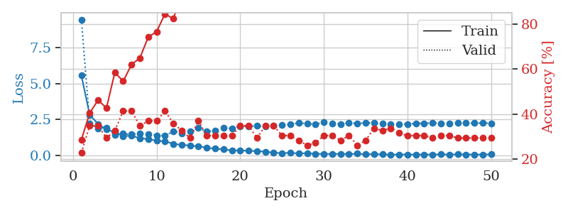
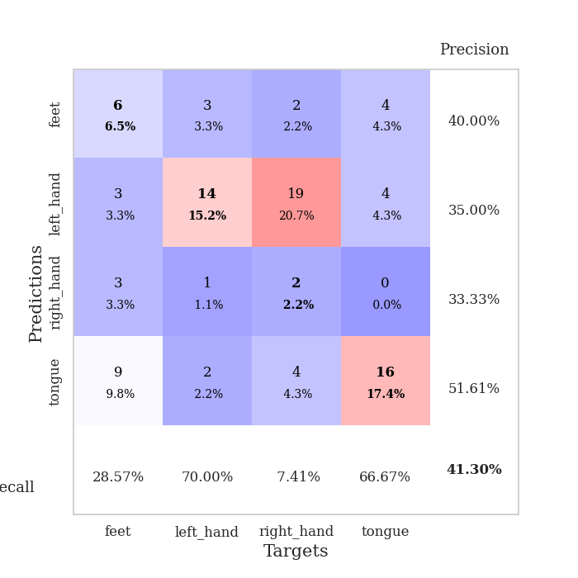
train_loss | valid_loss | train_accuracy | valid_accuracy | dur | train_misclass | valid_misclass
5.5561869144 | 9.4538350727 | 0.28532608696 | 0.22826086957 | 0.11132907867 | 28.532608696 | 22.826086957
2.8130119417 | 2.1998741212 | 0.40489130435 | 0.34782608696 | 0.099850654602 | 40.489130435 | 34.782608696
2.1812314106 | 1.8818441474 | 0.46195652174 | 0.34782608696 | 0.10266399384 | 46.195652174 | 34.782608696
1.7909061624 | 1.9172938699 | 0.42663043478 | 0.29347826087 | 0.10576820374 | 42.663043478 | 29.347826087
1.615107557 | 1.4189556008 | 0.58423913043 | 0.32608695652 | 0.1016099453 | 58.423913043 | 32.608695652
1.3231801183 | 1.504970338 | 0.54619565217 | 0.41304347826 | 0.10599660873 | 54.619565217 | 41.304347826
1.3698214085 | 1.4422499252 | 0.61956521739 | 0.41304347826 | 0.10130667686 | 61.956521739 | 41.304347826
1.1740805481 | 1.5296464122 | 0.64945652174 | 0.34782608696 | 0.1060295105 | 64.945652174 | 34.782608696
1.1368346318 | 1.4722904589 | 0.74184782609 | 0.36956521739 | 0.10870838165 | 74.184782609 | 36.956521739
1.0104100782 | 1.3886149033 | 0.76630434783 | 0.36956521739 | 0.10526561737 | 76.630434783 | 36.956521739
0.96954896139 | 1.3684553115 | 0.84510869565 | 0.41304347826 | 0.10537099838 | 84.510869565 | 41.304347826
0.79639997301 | 1.6605674339 | 0.82336956522 | 0.35869565217 | 0.11185073853 | 82.336956522 | 35.869565217
0.72290074825 | 1.5375432605 | 0.9347826087 | 0.32608695652 | 0.10734343529 | 93.47826087 | 32.608695652
0.6746144515 | 1.6675878141 | 0.9375 | 0.29347826087 | 0.11162924767 | 93.75 | 29.347826087
0.62111239978 | 1.8948946673 | 0.9402173913 | 0.36956521739 | 0.10475730896 | 94.02173913 | 36.956521739
0.52514388639 | 1.6394293671 | 0.95923913043 | 0.30434782609 | 0.11084842682 | 95.923913043 | 30.434782609
0.45647238065 | 1.7250728659 | 0.99184782609 | 0.30434782609 | 0.11160635948 | 99.184782609 | 30.434782609
0.40239675926 | 1.8936878702 | 0.99184782609 | 0.30434782609 | 0.10645270348 | 99.184782609 | 30.434782609
0.33222408755 | 1.8673049678 | 0.9972826087 | 0.30434782609 | 0.11070966721 | 99.72826087 | 30.434782609
0.33544923754 | 2.024053584 | 0.9972826087 | 0.34782608696 | 0.10155129433 | 99.72826087 | 34.782608696
0.30492152338 | 2.0188184614 | 0.9972826087 | 0.34782608696 | 0.10103392601 | 99.72826087 | 34.782608696
0.2897399638 | 2.0345349934 | 0.9972826087 | 0.29347826087 | 0.099056243896 | 99.72826087 | 29.347826087
0.24690830092 | 2.0217139773 | 1 | 0.34782608696 | 0.10506701469 | 100 | 34.782608696
0.17485742822 | 2.0756529518 | 1 | 0.34782608696 | 0.10310721397 | 100 | 34.782608696
0.14342204271 | 2.0959474729 | 1 | 0.30434782609 | 0.098815917969 | 100 | 30.434782609
0.16696432071 | 2.1471614216 | 1 | 0.30434782609 | 0.1107943058 | 100 | 30.434782609
0.11829655617 | 2.2583546276 | 1 | 0.28260869565 | 0.10143709183 | 100 | 28.260869565
0.14392953787 | 2.1948120283 | 1 | 0.26086956522 | 0.10397195816 | 100 | 26.086956522
0.09910917687 | 2.1512090227 | 1 | 0.27173913043 | 0.10919952393 | 100 | 27.173913043
0.097371152886 | 2.3018645255 | 1 | 0.30434782609 | 0.10362577438 | 100 | 30.434782609
0.08577227633 | 2.2035446012 | 1 | 0.30434782609 | 0.11201477051 | 100 | 30.434782609
0.10216530599 | 2.1819478533 | 1 | 0.28260869565 | 0.10524630547 | 100 | 28.260869565
0.076241895233 | 2.2482073411 | 1 | 0.30434782609 | 0.10279679298 | 100 | 30.434782609
0.10982839949 | 2.2182921534 | 1 | 0.26086956522 | 0.10993552208 | 100 | 26.086956522
0.065108084646 | 2.2568288005 | 1 | 0.28260869565 | 0.10660624504 | 100 | 28.260869565
0.079818916952 | 2.2561428184 | 1 | 0.33695652174 | 0.098564624786 | 100 | 33.695652174
0.057192657872 | 2.2121899905 | 1 | 0.32608695652 | 0.10781741142 | 100 | 32.608695652
0.044068718451 | 2.1807602229 | 1 | 0.33695652174 | 0.10750341415 | 100 | 33.695652174
0.053178272817 | 2.1657220333 | 1 | 0.3152173913 | 0.10864305496 | 100 | 31.52173913
0.049011460951 | 2.178736894 | 1 | 0.30434782609 | 0.1012301445 | 100 | 30.434782609
0.04782256727 | 2.2102253489 | 1 | 0.30434782609 | 0.10313272476 | 100 | 30.434782609
0.052185424887 | 2.2207794397 | 1 | 0.30434782609 | 0.10165190697 | 100 | 30.434782609
0.050984928627 | 2.2395946461 | 1 | 0.29347826087 | 0.10467147827 | 100 | 29.347826087
0.062573120362 | 2.218963338 | 1 | 0.30434782609 | 0.10594105721 | 100 | 30.434782609
0.046851846632 | 2.2239826866 | 1 | 0.30434782609 | 0.10829043388 | 100 | 30.434782609
0.061886252066 | 2.2369143704 | 1 | 0.29347826087 | 0.10441088676 | 100 | 29.347826087
0.053476973477 | 2.2362652499 | 1 | 0.29347826087 | 0.10036563873 | 100 | 29.347826087
0.049399568254 | 2.236176553 | 1 | 0.29347826087 | 0.10370731354 | 100 | 29.347826087
0.052632497988 | 2.2417151617 | 1 | 0.29347826087 | 0.10186433792 | 100 | 29.347826087
0.058092446816 | 2.2275174856 | 1 | 0.29347826087 | 0.1051094532 | 100 | 29.347826087

Best Val accuracy is 0.41304347826086957 and Best test accuracy is 0.3620689655172414

