Sheet
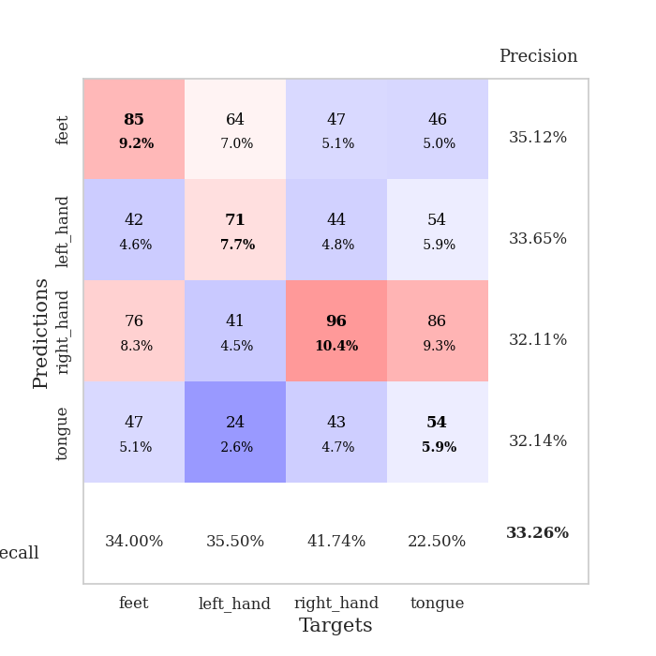
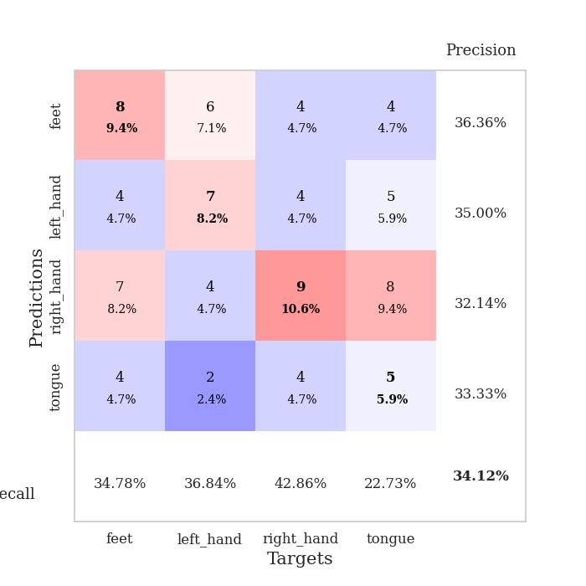
best_val_acc | best_val_los | best_test_acc
0.3152173913 | 1.7911068771 | 0.29310344828
0.33695652174 | 1.6252533819 | 0.31896551724
0.33695652174 | 1.6195122522 | 0.25
0.32608695652 | 1.6470889423 | 0.29310344828
0.34782608696 | 1.767941988 | 0.25862068966
0.32608695652 | 1.6504395993 | 0.28448275862
0.30434782609 | 1.7185043304 | 0.29310344828
0.39130434783 | 1.7573454536 | 0.31896551724
0.33695652174 | 1.7345253125 | 0.30172413793
0.30434782609 | 1.6377801843 | 0.29310344828

Mean,std Val accuracy is 0.33260869565217394 , 0.025206561059313168 and mean, std test accuracy is 0.29051724137931034 , 0.022277066026798055

Sheet1
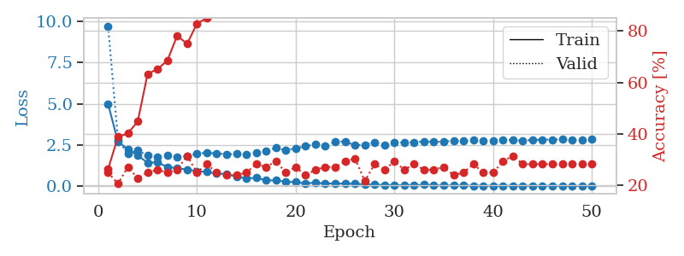
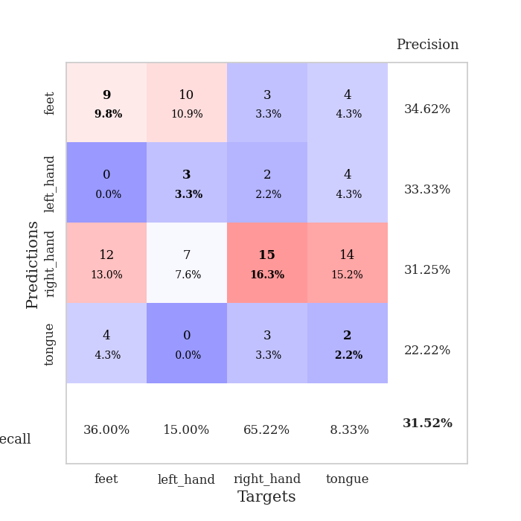
train_loss | valid_loss | train_accuracy | valid_accuracy | dur | train_misclass | valid_misclass
4.983226631 | 9.6858875026 | 0.26358695652 | 0.25 | 0.10585951805 | 26.358695652 | 25
2.7019583816 | 2.8321238082 | 0.38858695652 | 0.20652173913 | 0.10779666901 | 38.858695652 | 20.652173913
2.2513220725 | 1.971572254 | 0.40217391304 | 0.27173913043 | 0.10483908653 | 40.217391304 | 27.173913043
1.8829473827 | 2.1693160119 | 0.44836956522 | 0.22826086957 | 0.10253453255 | 44.836956522 | 22.826086957
1.4250096394 | 1.8695864159 | 0.63315217391 | 0.25 | 0.10491299629 | 63.315217391 | 25
1.4675479091 | 1.7911068771 | 0.65217391304 | 0.26086956522 | 0.11170840263 | 65.217391304 | 26.086956522
1.1653514116 | 1.8610018336 | 0.6847826087 | 0.25 | 0.11008501053 | 68.47826087 | 25
1.1075320581 | 1.8019776863 | 0.78260869565 | 0.26086956522 | 0.11007356644 | 78.260869565 | 26.086956522
1.018815831 | 1.8248780085 | 0.75 | 0.3152173913 | 0.11368012428 | 75 | 31.52173913
0.92542417412 | 1.9826426195 | 0.82880434783 | 0.25 | 0.11248636246 | 82.880434783 | 25
0.87555769475 | 2.036207168 | 0.85054347826 | 0.28260869565 | 0.10112094879 | 85.054347826 | 28.260869565
0.77994906514 | 1.9957496653 | 0.91847826087 | 0.25 | 0.11072659492 | 91.847826087 | 25
0.75000886684 | 1.954652807 | 0.96739130435 | 0.23913043478 | 0.10182976723 | 96.739130435 | 23.913043478
0.5938108097 | 1.957938951 | 0.97010869565 | 0.23913043478 | 0.10396528244 | 97.010869565 | 23.913043478
0.48287667658 | 1.94751357 | 0.97554347826 | 0.25 | 0.10341715813 | 97.554347826 | 25
0.51549969225 | 2.0118102716 | 0.98641304348 | 0.28260869565 | 0.11085629463 | 98.641304348 | 28.260869565
0.36501054012 | 2.1496739491 | 0.9972826087 | 0.27173913043 | 0.10695910454 | 99.72826087 | 27.173913043
0.36262060378 | 2.3247819361 | 0.99184782609 | 0.29347826087 | 0.11438298225 | 99.184782609 | 29.347826087
0.28446697444 | 2.183624734 | 0.9972826087 | 0.25 | 0.10502481461 | 99.72826087 | 25
0.2561214414 | 2.3088803706 | 1 | 0.27173913043 | 0.10481977463 | 100 | 27.173913043
0.19219781944 | 2.4239362841 | 1 | 0.23913043478 | 0.10095524788 | 100 | 23.913043478
0.21902066826 | 2.5504522013 | 1 | 0.26086956522 | 0.10583591461 | 100 | 26.086956522
0.18352651855 | 2.4224019984 | 1 | 0.27173913043 | 0.10787653923 | 100 | 27.173913043
0.1654328367 | 2.6918642521 | 1 | 0.27173913043 | 0.10955357552 | 100 | 27.173913043
0.17254475294 | 2.7194620941 | 1 | 0.29347826087 | 0.10849642754 | 100 | 29.347826087
0.15759270177 | 2.48147696 | 1 | 0.30434782609 | 0.10801124573 | 100 | 30.434782609
0.12659992764 | 2.5246223885 | 1 | 0.21739130435 | 0.1007194519 | 100 | 21.739130435
0.10275178775 | 2.6606430489 | 1 | 0.28260869565 | 0.10959768295 | 100 | 28.260869565
0.087337038115 | 2.5060901746 | 1 | 0.26086956522 | 0.11609983444 | 100 | 26.086956522
0.074065918751 | 2.6304196897 | 1 | 0.29347826087 | 0.10211634636 | 100 | 29.347826087
0.078876467584 | 2.6693436892 | 1 | 0.26086956522 | 0.11103224754 | 100 | 26.086956522
0.067024687062 | 2.6767074233 | 1 | 0.28260869565 | 0.10750579834 | 100 | 28.260869565
0.10210493887 | 2.7211193105 | 1 | 0.26086956522 | 0.10389924049 | 100 | 26.086956522
0.066589837934 | 2.6812410044 | 1 | 0.26086956522 | 0.10120844841 | 100 | 26.086956522
0.054921725967 | 2.7197278168 | 1 | 0.27173913043 | 0.11301016808 | 100 | 27.173913043
0.066226398734 | 2.7484279612 | 1 | 0.23913043478 | 0.10340595245 | 100 | 23.913043478
0.054292585174 | 2.7473220307 | 1 | 0.25 | 0.10997319221 | 100 | 25
0.046024391468 | 2.7896217782 | 1 | 0.28260869565 | 0.1067173481 | 100 | 28.260869565
0.047879864583 | 2.7734632388 | 1 | 0.25 | 0.11256289482 | 100 | 25
0.043581435376 | 2.7757636879 | 1 | 0.25 | 0.10414958 | 100 | 25
0.046756816906 | 2.8081448078 | 1 | 0.29347826087 | 0.11277079582 | 100 | 29.347826087
0.038627742526 | 2.8017365829 | 1 | 0.3152173913 | 0.10240674019 | 100 | 31.52173913
0.046295445554 | 2.7671992157 | 1 | 0.28260869565 | 0.10490560532 | 100 | 28.260869565
0.039077834591 | 2.8101871325 | 1 | 0.28260869565 | 0.10333943367 | 100 | 28.260869565
0.041552819474 | 2.8335698273 | 1 | 0.28260869565 | 0.10636663437 | 100 | 28.260869565
0.040909985364 | 2.8294987886 | 1 | 0.28260869565 | 0.10384345055 | 100 | 28.260869565
0.032235322237 | 2.8451784486 | 1 | 0.28260869565 | 0.10652947426 | 100 | 28.260869565
0.037739389495 | 2.7888117355 | 1 | 0.28260869565 | 0.1128616333 | 100 | 28.260869565
0.034319194175 | 2.7896597593 | 1 | 0.28260869565 | 0.10213136673 | 100 | 28.260869565
0.029160127975 | 2.8373889923 | 1 | 0.28260869565 | 0.1009683609 | 100 | 28.260869565

Best Val accuracy is 0.31521739130434784 and Best test accuracy is 0.29310344827586204

Sheet2
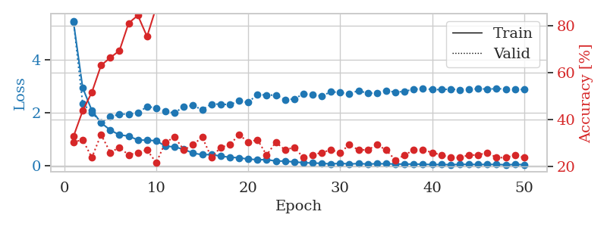
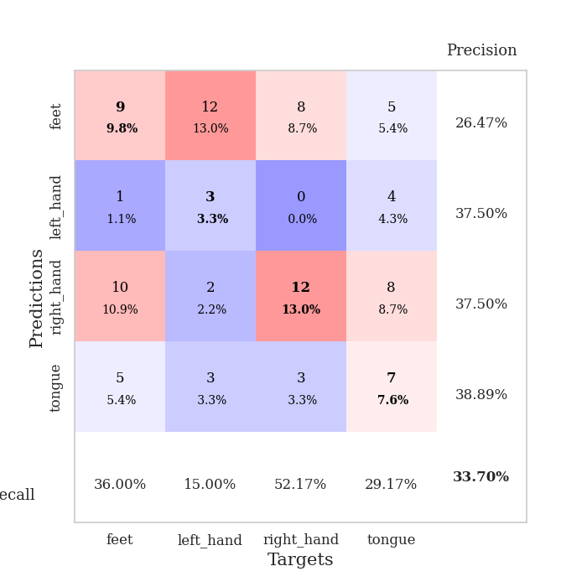
train_loss | valid_loss | train_accuracy | valid_accuracy | dur | train_misclass | valid_misclass
5.4392912077 | 5.4796117907 | 0.32880434783 | 0.30434782609 | 0.10067462921 | 32.880434783 | 30.434782609
2.9433710368 | 2.3506166935 | 0.4375 | 0.3152173913 | 0.099138259888 | 43.75 | 31.52173913
2.0803594537 | 2.0005068675 | 0.51630434783 | 0.23913043478 | 0.099374055862 | 51.630434783 | 23.913043478
1.6130395558 | 1.6252533819 | 0.63043478261 | 0.33695652174 | 0.098891019821 | 63.043478261 | 33.695652174
1.3401685202 | 1.8419589945 | 0.66304347826 | 0.26086956522 | 0.10106945038 | 66.304347826 | 26.086956522
1.1542260025 | 1.9391709929 | 0.69293478261 | 0.28260869565 | 0.10002207756 | 69.293478261 | 28.260869565
1.1128830469 | 1.9458817814 | 0.8097826087 | 0.25 | 0.099436759949 | 80.97826087 | 25
0.96184537203 | 1.986213513 | 0.84239130435 | 0.26086956522 | 0.099289417267 | 84.239130435 | 26.086956522
0.95654870894 | 2.2293219877 | 0.7527173913 | 0.27173913043 | 0.10485696793 | 75.27173913 | 27.173913043
0.93232399225 | 2.1813201282 | 0.8777173913 | 0.21739130435 | 0.099415063858 | 87.77173913 | 21.739130435
0.73078189985 | 2.04545416 | 0.9375 | 0.30434782609 | 0.10577321053 | 93.75 | 30.434782609
0.69959402732 | 1.9855945318 | 0.95923913043 | 0.32608695652 | 0.105271101 | 95.923913043 | 32.608695652
0.60978028308 | 2.23396407 | 0.96195652174 | 0.27173913043 | 0.111723423 | 96.195652174 | 27.173913043
0.46490224678 | 2.2689412884 | 0.98913043478 | 0.29347826087 | 0.10609340668 | 98.913043478 | 29.347826087
0.40582752746 | 2.1111559039 | 0.98369565217 | 0.32608695652 | 0.10922622681 | 98.369565217 | 32.608695652
0.41105216094 | 2.323345402 | 0.99456521739 | 0.23913043478 | 0.10564041138 | 99.456521739 | 23.913043478
0.3499104264 | 2.3219993633 | 1 | 0.28260869565 | 0.10755848885 | 100 | 28.260869565
0.31009613107 | 2.3022101444 | 1 | 0.29347826087 | 0.11714601517 | 100 | 29.347826087
0.28812943334 | 2.4412712118 | 1 | 0.33695652174 | 0.11096262932 | 100 | 33.695652174
0.23929535565 | 2.3847980292 | 1 | 0.30434782609 | 0.10562753677 | 100 | 30.434782609
0.21609212944 | 2.694925754 | 1 | 0.3152173913 | 0.104855299 | 100 | 31.52173913
0.21667085847 | 2.6598483894 | 1 | 0.25 | 0.099462509155 | 100 | 25
0.16722438808 | 2.6681877115 | 1 | 0.30434782609 | 0.11382222176 | 100 | 30.434782609
0.16130589937 | 2.4851221935 | 1 | 0.27173913043 | 0.10228180885 | 100 | 27.173913043
0.13275022043 | 2.5188434124 | 1 | 0.28260869565 | 0.10567426682 | 100 | 28.260869565
0.10217349199 | 2.7105908705 | 1 | 0.23913043478 | 0.10269618034 | 100 | 23.913043478
0.089303416726 | 2.6756283719 | 1 | 0.25 | 0.1072974205 | 100 | 25
0.078035158551 | 2.6296794 | 1 | 0.26086956522 | 0.10371255875 | 100 | 26.086956522
0.05452778733 | 2.7928028625 | 1 | 0.27173913043 | 0.10525536537 | 100 | 27.173913043
0.078278372874 | 2.7621729685 | 1 | 0.26086956522 | 0.10565471649 | 100 | 26.086956522
0.05445336101 | 2.714997022 | 1 | 0.29347826087 | 0.10588550568 | 100 | 29.347826087
0.068424843576 | 2.8352497868 | 1 | 0.27173913043 | 0.1074616909 | 100 | 27.173913043
0.052021432992 | 2.7327849139 | 1 | 0.27173913043 | 0.10542035103 | 100 | 27.173913043
0.061875727676 | 2.7483825995 | 1 | 0.29347826087 | 0.10663485527 | 100 | 29.347826087
0.061555833394 | 2.8409080402 | 1 | 0.27173913043 | 0.10386753082 | 100 | 27.173913043
0.052515490102 | 2.7707927227 | 1 | 0.22826086957 | 0.10789513588 | 100 | 22.826086957
0.047860116333 | 2.8105468024 | 1 | 0.25 | 0.10632658005 | 100 | 25
0.051385651707 | 2.8809215608 | 1 | 0.27173913043 | 0.10848999023 | 100 | 27.173913043
0.043964013984 | 2.9220426497 | 1 | 0.27173913043 | 0.10283923149 | 100 | 27.173913043
0.03250521798 | 2.8741017528 | 1 | 0.26086956522 | 0.099169254303 | 100 | 26.086956522
0.03381235606 | 2.8733532843 | 1 | 0.25 | 0.10290598869 | 100 | 25
0.02929227456 | 2.8924262731 | 1 | 0.23913043478 | 0.10828280449 | 100 | 23.913043478
0.037721570419 | 2.8680479941 | 1 | 0.23913043478 | 0.10641217232 | 100 | 23.913043478
0.041445213289 | 2.8853739448 | 1 | 0.25 | 0.10160136223 | 100 | 25
0.032951649218 | 2.9021996001 | 1 | 0.25 | 0.10400295258 | 100 | 25
0.037791957451 | 2.8946997705 | 1 | 0.26086956522 | 0.11104559898 | 100 | 26.086956522
0.036890644691 | 2.905195599 | 1 | 0.23913043478 | 0.12119865417 | 100 | 23.913043478
0.024220011015 | 2.8985085073 | 1 | 0.23913043478 | 0.10764789581 | 100 | 23.913043478
0.034866652289 | 2.884165795 | 1 | 0.25 | 0.10769152641 | 100 | 25
0.030968395143 | 2.8752010283 | 1 | 0.23913043478 | 0.11602067947 | 100 | 23.913043478

Best Val accuracy is 0.33695652173913043 and Best test accuracy is 0.31896551724137934

Sheet3
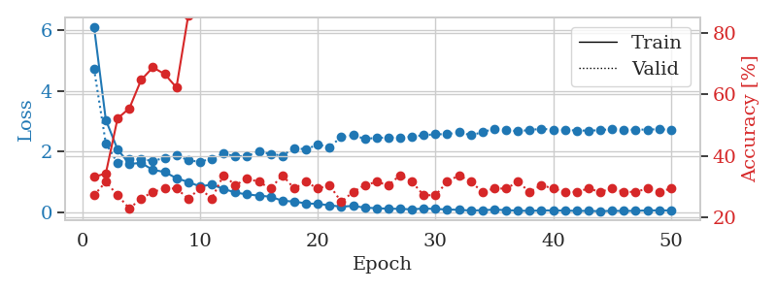
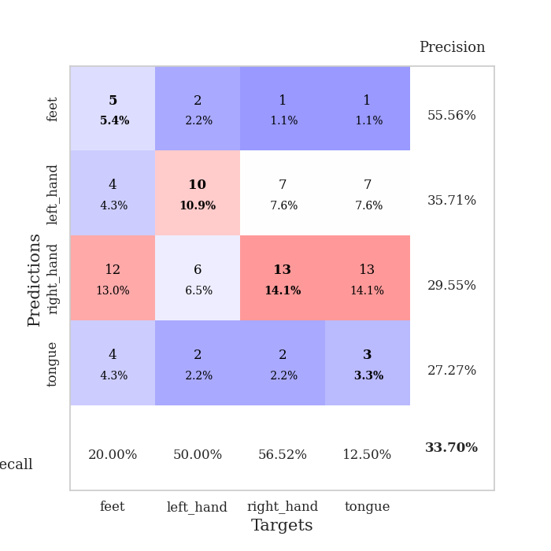
train_loss | valid_loss | train_accuracy | valid_accuracy | dur | train_misclass | valid_misclass
6.1237491836 | 4.7299311472 | 0.33152173913 | 0.27173913043 | 0.10765695572 | 33.152173913 | 27.173913043
3.042785432 | 2.2665921709 | 0.34239130435 | 0.3152173913 | 0.1013276577 | 34.239130435 | 31.52173913
2.0660764756 | 1.6195122522 | 0.52173913043 | 0.27173913043 | 0.10342812538 | 52.173913043 | 27.173913043
1.5899131013 | 1.7531009705 | 0.55434782609 | 0.22826086957 | 0.10659813881 | 55.434782609 | 22.826086957
1.6208004252 | 1.7355535341 | 0.64673913043 | 0.26086956522 | 0.10696148872 | 64.673913043 | 26.086956522
1.3897058627 | 1.6926513392 | 0.6875 | 0.28260869565 | 0.1093351841 | 68.75 | 28.260869565
1.3238134436 | 1.7832424744 | 0.66576086957 | 0.29347826087 | 0.10703921318 | 66.576086957 | 29.347826087
1.1148932006 | 1.8827498633 | 0.6222826087 | 0.29347826087 | 0.11252045631 | 62.22826087 | 29.347826087
0.9921836244 | 1.706595198 | 0.85597826087 | 0.26086956522 | 0.10518527031 | 85.597826087 | 26.086956522
0.844616601 | 1.6593099314 | 0.89673913043 | 0.29347826087 | 0.10822558403 | 89.673913043 | 29.347826087
0.90634119511 | 1.7631022205 | 0.91847826087 | 0.26086956522 | 0.10420608521 | 91.847826087 | 26.086956522
0.76197594663 | 1.9391051531 | 0.9347826087 | 0.33695652174 | 0.10548567772 | 93.47826087 | 33.695652174
0.64346484905 | 1.8345046095 | 0.94836956522 | 0.30434782609 | 0.10800290108 | 94.836956522 | 30.434782609
0.57977108722 | 1.8597521989 | 0.96739130435 | 0.32608695652 | 0.10982322693 | 96.739130435 | 32.608695652
0.54200050364 | 1.9917812503 | 0.99184782609 | 0.3152173913 | 0.10546946526 | 99.184782609 | 31.52173913
0.50450766346 | 1.9205805737 | 0.99456521739 | 0.29347826087 | 0.11084842682 | 99.456521739 | 29.347826087
0.37039761569 | 1.8591534158 | 0.98641304348 | 0.33695652174 | 0.10649800301 | 98.641304348 | 33.695652174
0.3443265188 | 2.110641578 | 0.9972826087 | 0.29347826087 | 0.10557579994 | 99.72826087 | 29.347826087
0.28411997369 | 2.0711219674 | 0.99456521739 | 0.3152173913 | 0.11442136765 | 99.456521739 | 31.52173913
0.2665631026 | 2.2270850565 | 1 | 0.29347826087 | 0.10664057732 | 100 | 29.347826087
0.22118317368 | 2.1453630976 | 1 | 0.30434782609 | 0.11057519913 | 100 | 30.434782609
0.17607219145 | 2.4791750079 | 1 | 0.25 | 0.10515379906 | 100 | 25
0.20102198066 | 2.5350413374 | 1 | 0.28260869565 | 0.10611844063 | 100 | 28.260869565
0.14264317942 | 2.4202489283 | 1 | 0.30434782609 | 0.10674738884 | 100 | 30.434782609
0.12479006863 | 2.4453535495 | 1 | 0.3152173913 | 0.10717177391 | 100 | 31.52173913
0.10898072216 | 2.4660643235 | 1 | 0.30434782609 | 0.11029481888 | 100 | 30.434782609
0.10445915616 | 2.4437699629 | 1 | 0.33695652174 | 0.11090874672 | 100 | 33.695652174
0.085021006591 | 2.4943713002 | 1 | 0.3152173913 | 0.10973000526 | 100 | 31.52173913
0.11740140196 | 2.5357864421 | 1 | 0.27173913043 | 0.1054418087 | 100 | 27.173913043
0.09726205861 | 2.5690595067 | 1 | 0.27173913043 | 0.11119198799 | 100 | 27.173913043
0.084597189668 | 2.5699072091 | 1 | 0.3152173913 | 0.10739064217 | 100 | 31.52173913
0.069432323556 | 2.6385021935 | 1 | 0.33695652174 | 0.11160707474 | 100 | 33.695652174
0.049457629495 | 2.5369830132 | 1 | 0.3152173913 | 0.10981154442 | 100 | 31.52173913
0.057198781682 | 2.6367719277 | 1 | 0.28260869565 | 0.11125302315 | 100 | 28.260869565
0.07996395287 | 2.7511693291 | 1 | 0.29347826087 | 0.11512613297 | 100 | 29.347826087
0.059125172865 | 2.7006383046 | 1 | 0.29347826087 | 0.10466003418 | 100 | 29.347826087
0.046673951083 | 2.6730218141 | 1 | 0.3152173913 | 0.11090707779 | 100 | 31.52173913
0.034180849953 | 2.7053748628 | 1 | 0.28260869565 | 0.10456609726 | 100 | 28.260869565
0.0533914513 | 2.7537027546 | 1 | 0.30434782609 | 0.10709428787 | 100 | 30.434782609
0.050839973816 | 2.7127558045 | 1 | 0.29347826087 | 0.11071896553 | 100 | 29.347826087
0.046947994269 | 2.7063211876 | 1 | 0.28260869565 | 0.10760307312 | 100 | 28.260869565
0.036179179326 | 2.6933488949 | 1 | 0.28260869565 | 0.11430358887 | 100 | 28.260869565
0.037174765102 | 2.6878256694 | 1 | 0.29347826087 | 0.1038813591 | 100 | 29.347826087
0.025473062374 | 2.7024136108 | 1 | 0.28260869565 | 0.10252666473 | 100 | 28.260869565
0.03884802451 | 2.7409073581 | 1 | 0.29347826087 | 0.10819649696 | 100 | 29.347826087
0.034377886752 | 2.7127724419 | 1 | 0.28260869565 | 0.11277318001 | 100 | 28.260869565
0.039304274215 | 2.7209738545 | 1 | 0.28260869565 | 0.11104202271 | 100 | 28.260869565
0.051442255064 | 2.7229500543 | 1 | 0.29347826087 | 0.1023645401 | 100 | 29.347826087
0.05280856938 | 2.7349985682 | 1 | 0.28260869565 | 0.11197495461 | 100 | 28.260869565
0.051324337721 | 2.7142192073 | 1 | 0.29347826087 | 0.114828825 | 100 | 29.347826087

Best Val accuracy is 0.33695652173913043 and Best test accuracy is 0.25

Sheet4
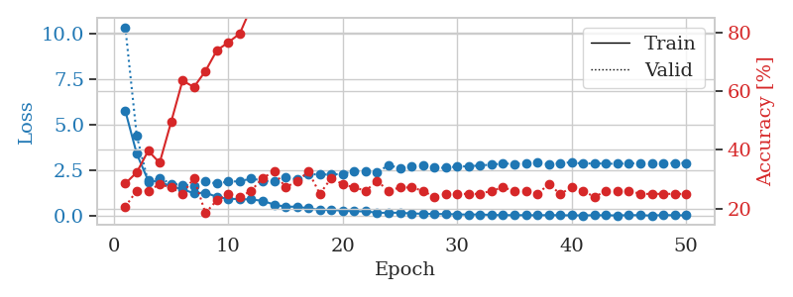
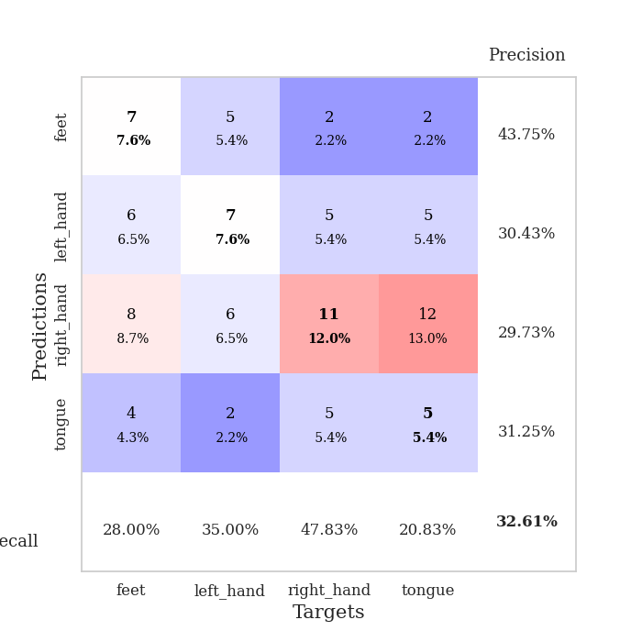
train_loss | valid_loss | train_accuracy | valid_accuracy | dur | train_misclass | valid_misclass
5.7644267497 | 10.340456548 | 0.28532608696 | 0.20652173913 | 0.10915517807 | 28.532608696 | 20.652173913
3.4130425868 | 4.3988424902 | 0.32336956522 | 0.26086956522 | 0.10655403137 | 32.336956522 | 26.086956522
1.9434918684 | 1.8713020397 | 0.39673913043 | 0.26086956522 | 0.11181998253 | 39.673913043 | 26.086956522
1.8869547585 | 2.0866695487 | 0.35597826087 | 0.28260869565 | 0.10363316536 | 35.597826087 | 28.260869565
1.6286949282 | 1.7760450944 | 0.49456521739 | 0.27173913043 | 0.11246538162 | 49.456521739 | 27.173913043
1.4724573856 | 1.7201816984 | 0.63586956522 | 0.25 | 0.10612940788 | 63.586956522 | 25
1.2526509554 | 1.6470889423 | 0.61413043478 | 0.30434782609 | 0.10346412659 | 61.413043478 | 30.434782609
1.2925826493 | 1.9094380659 | 0.66847826087 | 0.1847826087 | 0.11489677429 | 66.847826087 | 18.47826087
1.0524808194 | 1.7829330434 | 0.73913043478 | 0.22826086957 | 0.10228490829 | 73.913043478 | 22.826086957
0.95643963244 | 1.8950201791 | 0.76630434783 | 0.25 | 0.1052274704 | 76.630434783 | 25
0.93298729865 | 1.9051188282 | 0.79619565217 | 0.23913043478 | 0.10731768608 | 79.619565217 | 23.913043478
0.91627818864 | 2.0618356725 | 0.88586956522 | 0.26086956522 | 0.10939025879 | 88.586956522 | 26.086956522
0.84025838323 | 1.93782696 | 0.95652173913 | 0.30434782609 | 0.10360646248 | 95.652173913 | 30.434782609
0.63307109605 | 1.9072182852 | 0.95923913043 | 0.32608695652 | 0.11324191093 | 95.923913043 | 32.608695652
0.51719358045 | 2.1118835263 | 0.97554347826 | 0.27173913043 | 0.10852313042 | 97.554347826 | 27.173913043
0.5224888247 | 2.0257536795 | 0.98097826087 | 0.29347826087 | 0.1047232151 | 98.097826087 | 29.347826087
0.4259602421 | 2.3057660124 | 0.99456521739 | 0.32608695652 | 0.11186695099 | 99.456521739 | 32.608695652
0.34857233679 | 2.2780042835 | 0.99456521739 | 0.25 | 0.10510396957 | 99.456521739 | 25
0.34649794711 | 2.2856647139 | 0.9972826087 | 0.30434782609 | 0.10832643509 | 99.72826087 | 30.434782609
0.30414069152 | 2.312400963 | 0.9972826087 | 0.28260869565 | 0.10847854614 | 99.72826087 | 28.260869565
0.26550331323 | 2.4770822421 | 0.99184782609 | 0.27173913043 | 0.10663938522 | 99.184782609 | 27.173913043
0.26572340014 | 2.4601312617 | 1 | 0.26086956522 | 0.10310101509 | 100 | 26.086956522
0.18395909975 | 2.3811708948 | 0.9972826087 | 0.29347826087 | 0.10487174988 | 99.72826087 | 29.347826087
0.19016922767 | 2.8020400275 | 1 | 0.26086956522 | 0.11510324478 | 100 | 26.086956522
0.18818870057 | 2.6165660672 | 1 | 0.27173913043 | 0.10943198204 | 100 | 27.173913043
0.14906335735 | 2.7460009015 | 1 | 0.27173913043 | 0.10895180702 | 100 | 27.173913043
0.13468264756 | 2.7669371626 | 1 | 0.26086956522 | 0.10821509361 | 100 | 26.086956522
0.12217889354 | 2.6508700433 | 1 | 0.23913043478 | 0.11390519142 | 100 | 23.913043478
0.11494936818 | 2.647837276 | 1 | 0.25 | 0.12062454224 | 100 | 25
0.10071245038 | 2.7188445278 | 1 | 0.25 | 0.1056394577 | 100 | 25
0.085362424021 | 2.7271620709 | 1 | 0.25 | 0.10712099075 | 100 | 25
0.09685724099 | 2.7794065786 | 1 | 0.25 | 0.11462950706 | 100 | 25
0.066033939406 | 2.8190291861 | 1 | 0.26086956522 | 0.10556387901 | 100 | 26.086956522
0.061074648336 | 2.8815672916 | 1 | 0.27173913043 | 0.10806155205 | 100 | 27.173913043
0.054344663801 | 2.862191532 | 1 | 0.26086956522 | 0.1134827137 | 100 | 26.086956522
0.057549761689 | 2.9149535117 | 1 | 0.26086956522 | 0.10814499855 | 100 | 26.086956522
0.050134490811 | 2.9318702843 | 1 | 0.25 | 0.11157655716 | 100 | 25
0.06048489196 | 2.8412915002 | 1 | 0.28260869565 | 0.10844159126 | 100 | 28.260869565
0.05240378298 | 2.8965291666 | 1 | 0.25 | 0.10666799545 | 100 | 25
0.047883693534 | 2.9516164116 | 1 | 0.27173913043 | 0.11138367653 | 100 | 27.173913043
0.042815134172 | 2.8670169893 | 1 | 0.26086956522 | 0.10809063911 | 100 | 26.086956522
0.05549450413 | 2.8979915847 | 1 | 0.23913043478 | 0.11128282547 | 100 | 23.913043478
0.049361076854 | 2.8683485052 | 1 | 0.26086956522 | 0.11124610901 | 100 | 26.086956522
0.041234104368 | 2.8729269919 | 1 | 0.26086956522 | 0.10458350182 | 100 | 26.086956522
0.058888388028 | 2.8863384724 | 1 | 0.26086956522 | 0.10494017601 | 100 | 26.086956522
0.054930139252 | 2.900484904 | 1 | 0.25 | 0.10624718666 | 100 | 25
0.033687070012 | 2.8828171958 | 1 | 0.25 | 0.10860800743 | 100 | 25
0.064229687433 | 2.8805736148 | 1 | 0.25 | 0.10300683975 | 100 | 25
0.050055665855 | 2.9166982485 | 1 | 0.25 | 0.10530614853 | 100 | 25
0.048777054469 | 2.9108900713 | 1 | 0.25 | 0.10196137428 | 100 | 25

Best Val accuracy is 0.32608695652173914 and Best test accuracy is 0.29310344827586204

Sheet5
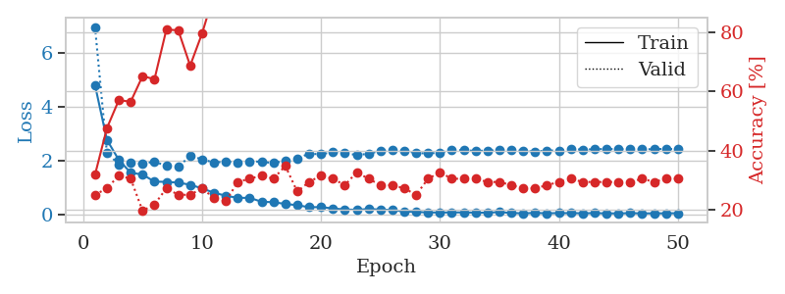
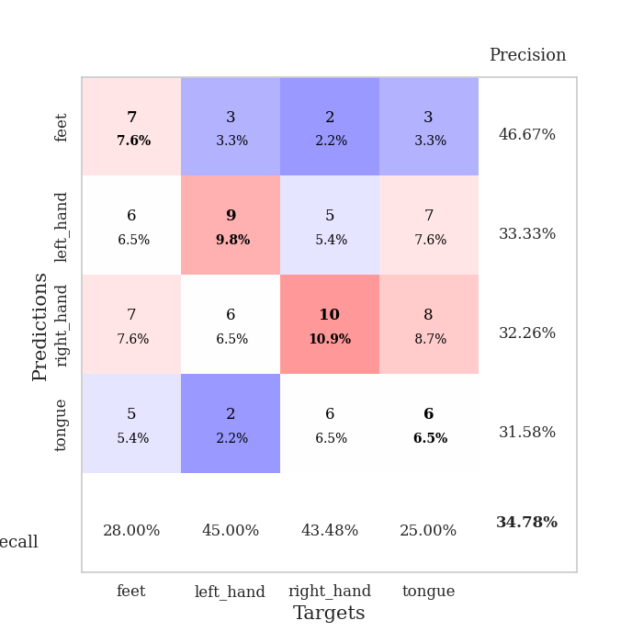
train_loss | valid_loss | train_accuracy | valid_accuracy | dur | train_misclass | valid_misclass
4.8045419921 | 6.9653303105 | 0.31793478261 | 0.25 | 0.10514330864 | 31.793478261 | 25
2.7723186068 | 2.2841200207 | 0.47554347826 | 0.27173913043 | 0.1113986969 | 47.554347826 | 27.173913043
2.0260462191 | 1.8654217254 | 0.57065217391 | 0.3152173913 | 0.11521148682 | 57.065217391 | 31.52173913
1.5499421306 | 1.9313937011 | 0.5652173913 | 0.30434782609 | 0.1055161953 | 56.52173913 | 30.434782609
1.4818230686 | 1.877959438 | 0.65217391304 | 0.19565217391 | 0.1045665741 | 65.217391304 | 19.565217391
1.2188446185 | 1.9655308101 | 0.64130434783 | 0.21739130435 | 0.10718464851 | 64.130434783 | 21.739130435
1.2099901878 | 1.7985872445 | 0.8097826087 | 0.27173913043 | 0.10762166977 | 80.97826087 | 27.173913043
1.1821541734 | 1.767941988 | 0.80706521739 | 0.25 | 0.11063981056 | 80.706521739 | 25
1.102753704 | 2.1747989447 | 0.6875 | 0.25 | 0.10275697708 | 68.75 | 25
0.96696571164 | 2.0495741886 | 0.79619565217 | 0.27173913043 | 0.11057448387 | 79.619565217 | 27.173913043
0.80571016281 | 1.9263307996 | 0.92934782609 | 0.23913043478 | 0.10686922073 | 92.934782609 | 23.913043478
0.69587824656 | 1.9627158331 | 0.95380434783 | 0.22826086957 | 0.10554170609 | 95.380434783 | 22.826086957
0.61419197399 | 1.9331343329 | 0.95380434783 | 0.29347826087 | 0.1007668972 | 95.380434783 | 29.347826087
0.61822221331 | 1.9743943888 | 0.98641304348 | 0.30434782609 | 0.10923838615 | 98.641304348 | 30.434782609
0.47016495207 | 1.9563034566 | 0.99184782609 | 0.3152173913 | 0.10466718674 | 99.184782609 | 31.52173913
0.45556872694 | 1.9065536001 | 0.99456521739 | 0.30434782609 | 0.10871362686 | 99.456521739 | 30.434782609
0.38916787959 | 1.9924067414 | 0.9972826087 | 0.34782608696 | 0.1074154377 | 99.72826087 | 34.782608696
0.34353853114 | 2.0832643198 | 0.9972826087 | 0.26086956522 | 0.11130213737 | 99.72826087 | 26.086956522
0.26789584238 | 2.2563569649 | 1 | 0.29347826087 | 0.10745859146 | 100 | 29.347826087
0.27235026625 | 2.2345212542 | 1 | 0.3152173913 | 0.10498738289 | 100 | 31.52173913
0.22267542812 | 2.3182130275 | 1 | 0.30434782609 | 0.1076631546 | 100 | 30.434782609
0.18543045919 | 2.2710032981 | 1 | 0.28260869565 | 0.11136054993 | 100 | 28.260869565
0.17054173933 | 2.2117896391 | 1 | 0.32608695652 | 0.10753846169 | 100 | 32.608695652
0.20233581393 | 2.2503605615 | 1 | 0.30434782609 | 0.11080884933 | 100 | 30.434782609
0.18154975092 | 2.3648810905 | 1 | 0.28260869565 | 0.10356807709 | 100 | 28.260869565
0.16327776112 | 2.3852535849 | 1 | 0.28260869565 | 0.10488343239 | 100 | 28.260869565
0.10664648546 | 2.3678839932 | 1 | 0.27173913043 | 0.11618924141 | 100 | 27.173913043
0.091375659179 | 2.2782011861 | 1 | 0.25 | 0.10783338547 | 100 | 25
0.076300474451 | 2.2686540873 | 1 | 0.30434782609 | 0.10440015793 | 100 | 30.434782609
0.070013159886 | 2.2901855655 | 1 | 0.32608695652 | 0.11077666283 | 100 | 32.608695652
0.076944057749 | 2.3951375899 | 1 | 0.30434782609 | 0.10757660866 | 100 | 30.434782609
0.073946027895 | 2.3818772979 | 1 | 0.30434782609 | 0.11210870743 | 100 | 30.434782609
0.068089991201 | 2.3611326943 | 1 | 0.30434782609 | 0.10805940628 | 100 | 30.434782609
0.06274133702 | 2.3692883409 | 1 | 0.29347826087 | 0.10523724556 | 100 | 29.347826087
0.089004898039 | 2.3801664166 | 1 | 0.29347826087 | 0.10125541687 | 100 | 29.347826087
0.052446511048 | 2.4068845977 | 1 | 0.28260869565 | 0.10413646698 | 100 | 28.260869565
0.043145083336 | 2.3616462583 | 1 | 0.27173913043 | 0.1074950695 | 100 | 27.173913043
0.054793715396 | 2.3379681214 | 1 | 0.27173913043 | 0.10924744606 | 100 | 27.173913043
0.044203363744 | 2.3777809869 | 1 | 0.28260869565 | 0.10597896576 | 100 | 28.260869565
0.049621984687 | 2.3704723379 | 1 | 0.29347826087 | 0.10672903061 | 100 | 29.347826087
0.047586961568 | 2.4203196816 | 1 | 0.30434782609 | 0.11050224304 | 100 | 30.434782609
0.045211954002 | 2.4122383284 | 1 | 0.29347826087 | 0.10420322418 | 100 | 29.347826087
0.048043092834 | 2.4205283186 | 1 | 0.29347826087 | 0.11184310913 | 100 | 29.347826087
0.040790195658 | 2.4345082096 | 1 | 0.29347826087 | 0.1109058857 | 100 | 29.347826087
0.038701600274 | 2.4225692956 | 1 | 0.29347826087 | 0.11033415794 | 100 | 29.347826087
0.047791619907 | 2.4378503198 | 1 | 0.29347826087 | 0.1103284359 | 100 | 29.347826087
0.03951987037 | 2.4172060282 | 1 | 0.30434782609 | 0.10924935341 | 100 | 30.434782609
0.040305451348 | 2.4251989178 | 1 | 0.29347826087 | 0.11067199707 | 100 | 29.347826087
0.041990347105 | 2.4340291542 | 1 | 0.30434782609 | 0.10694050789 | 100 | 30.434782609
0.045733665643 | 2.4244375747 | 1 | 0.30434782609 | 0.10239958763 | 100 | 30.434782609

Best Val accuracy is 0.34782608695652173 and Best test accuracy is 0.25862068965517243

Sheet6
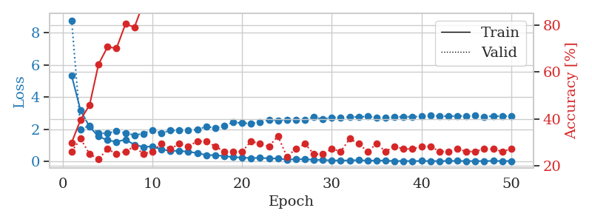
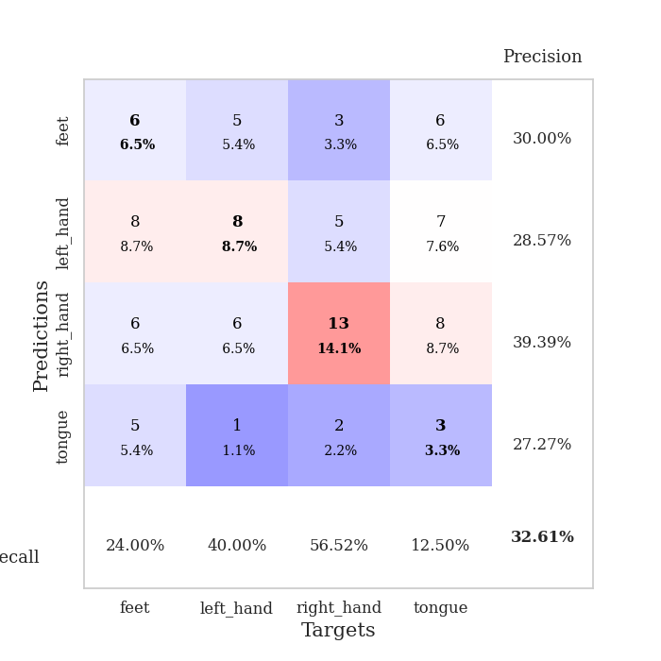
train_loss | valid_loss | train_accuracy | valid_accuracy | dur | train_misclass | valid_misclass
5.3404856246 | 8.7809569317 | 0.29891304348 | 0.26086956522 | 0.1123111248 | 29.891304348 | 26.086956522
3.1767064281 | 2.0117035845 | 0.39673913043 | 0.3152173913 | 0.1074681282 | 39.673913043 | 31.52173913
2.1636223793 | 2.2503885601 | 0.45923913043 | 0.25 | 0.1045384407 | 45.923913043 | 25
1.5653771318 | 1.7715420982 | 0.63315217391 | 0.22826086957 | 0.1081097126 | 63.315217391 | 22.826086957
1.33381254 | 1.757216806 | 0.70652173913 | 0.27173913043 | 0.10576438904 | 70.652173913 | 27.173913043
1.2317966741 | 1.9191286357 | 0.70108695652 | 0.25 | 0.10984683037 | 70.108695652 | 25
1.3750634867 | 1.7758912626 | 0.80434782609 | 0.26086956522 | 0.11537456512 | 80.434782609 | 26.086956522
1.0469264414 | 1.6504395993 | 0.79076086957 | 0.28260869565 | 0.10850000381 | 79.076086957 | 28.260869565
0.91640966094 | 1.7422579216 | 0.89402173913 | 0.25 | 0.10517072678 | 89.402173913 | 25
0.94872801719 | 1.9657209282 | 0.91847826087 | 0.26086956522 | 0.11498641968 | 91.847826087 | 26.086956522
0.75486569819 | 1.7740403466 | 0.90760869565 | 0.29347826087 | 0.11087703705 | 90.760869565 | 29.347826087
0.6796185452 | 1.9354070062 | 0.96467391304 | 0.27173913043 | 0.10992765427 | 96.467391304 | 27.173913043
0.66938272766 | 1.9454181298 | 0.97554347826 | 0.29347826087 | 0.10668182373 | 97.554347826 | 29.347826087
0.61688137443 | 1.9435588588 | 0.97282608696 | 0.28260869565 | 0.10766887665 | 97.282608696 | 28.260869565
0.53715203702 | 2.0011469022 | 0.96739130435 | 0.30434782609 | 0.10918903351 | 96.739130435 | 30.434782609
0.40645010834 | 2.1686015958 | 0.99184782609 | 0.30434782609 | 0.11447477341 | 99.184782609 | 30.434782609
0.40414362692 | 2.1070759296 | 1 | 0.28260869565 | 0.10549259186 | 100 | 28.260869565
0.34411397609 | 2.2133310463 | 0.9972826087 | 0.26086956522 | 0.10542297363 | 99.72826087 | 26.086956522
0.27840762261 | 2.445664976 | 1 | 0.26086956522 | 0.10800218582 | 100 | 26.086956522
0.25066720079 | 2.3995125086 | 0.9972826087 | 0.26086956522 | 0.11256217957 | 99.72826087 | 26.086956522
0.22543862786 | 2.3676729928 | 1 | 0.30434782609 | 0.11211514473 | 100 | 30.434782609
0.23498577722 | 2.4421374901 | 1 | 0.29347826087 | 0.10969138145 | 100 | 29.347826087
0.20911718775 | 2.60979641 | 1 | 0.28260869565 | 0.11333274841 | 100 | 28.260869565
0.19388673697 | 2.5653353256 | 1 | 0.32608695652 | 0.10729789734 | 100 | 32.608695652
0.13399060103 | 2.6130671501 | 1 | 0.23913043478 | 0.10987925529 | 100 | 23.913043478
0.15121656187 | 2.5880790586 | 1 | 0.27173913043 | 0.10386300087 | 100 | 27.173913043
0.15114938014 | 2.6097016024 | 1 | 0.29347826087 | 0.11052441597 | 100 | 29.347826087
0.11592729859 | 2.760365341 | 1 | 0.25 | 0.10637354851 | 100 | 25
0.10079098379 | 2.6422499677 | 1 | 0.25 | 0.1049015522 | 100 | 25
0.077445794626 | 2.7527627427 | 1 | 0.27173913043 | 0.10765504837 | 100 | 27.173913043
0.072221912201 | 2.7245058288 | 1 | 0.26086956522 | 0.10313487053 | 100 | 26.086956522
0.078317359576 | 2.7982367329 | 1 | 0.3152173913 | 0.10124802589 | 100 | 31.52173913
0.091113781152 | 2.768378123 | 1 | 0.29347826087 | 0.11442255974 | 100 | 29.347826087
0.066443054896 | 2.8209550692 | 1 | 0.26086956522 | 0.1071870327 | 100 | 26.086956522
0.072739931512 | 2.7369298209 | 1 | 0.29347826087 | 0.10157895088 | 100 | 29.347826087
0.067832370167 | 2.7551692776 | 1 | 0.26086956522 | 0.10577440262 | 100 | 26.086956522
0.039567515092 | 2.7569874992 | 1 | 0.28260869565 | 0.10066795349 | 100 | 28.260869565
0.042661163146 | 2.7900188177 | 1 | 0.27173913043 | 0.10973191261 | 100 | 27.173913043
0.037384110138 | 2.7897047893 | 1 | 0.27173913043 | 0.10901236534 | 100 | 27.173913043
0.043946967744 | 2.8136291608 | 1 | 0.28260869565 | 0.10472464561 | 100 | 28.260869565
0.039287618442 | 2.8585682641 | 1 | 0.28260869565 | 0.11145591736 | 100 | 28.260869565
0.032676662197 | 2.8467731372 | 1 | 0.26086956522 | 0.11220240593 | 100 | 26.086956522
0.047651360702 | 2.8185532508 | 1 | 0.26086956522 | 0.10787200928 | 100 | 26.086956522
0.044622362915 | 2.8395791883 | 1 | 0.27173913043 | 0.1051466465 | 100 | 27.173913043
0.03674717369 | 2.8403740344 | 1 | 0.26086956522 | 0.10679554939 | 100 | 26.086956522
0.041219468067 | 2.8516800093 | 1 | 0.26086956522 | 0.10183668137 | 100 | 26.086956522
0.034470367812 | 2.8011175239 | 1 | 0.27173913043 | 0.10681319237 | 100 | 27.173913043
0.054537896067 | 2.8264519546 | 1 | 0.27173913043 | 0.10692405701 | 100 | 27.173913043
0.035261024316 | 2.8222306811 | 1 | 0.26086956522 | 0.1037209034 | 100 | 26.086956522
0.041029083866 | 2.8433045615 | 1 | 0.27173913043 | 0.10182952881 | 100 | 27.173913043

Best Val accuracy is 0.32608695652173914 and Best test accuracy is 0.28448275862068967

Sheet7
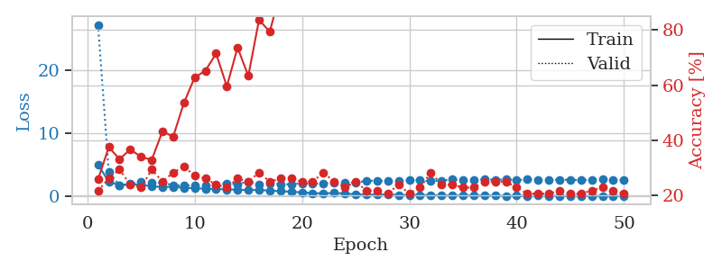
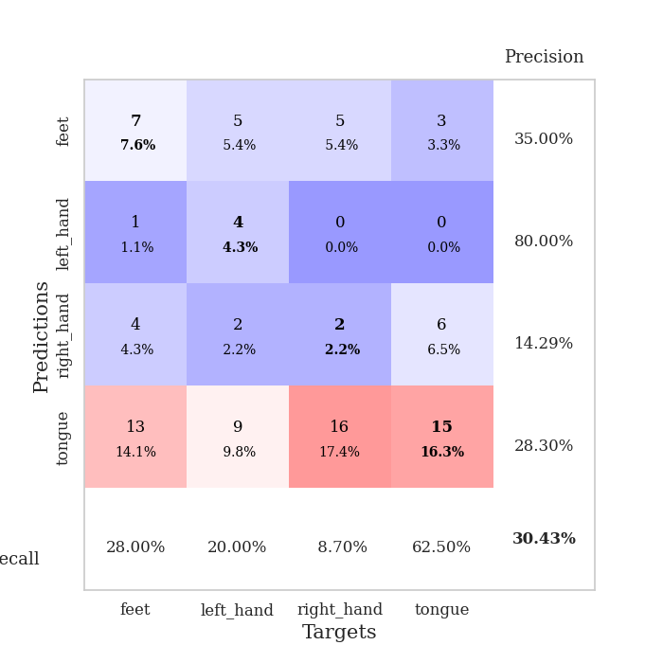
train_loss | valid_loss | train_accuracy | valid_accuracy | dur | train_misclass | valid_misclass
5.0597248699 | 27.214066962 | 0.25815217391 | 0.21739130435 | 0.11266088486 | 25.815217391 | 21.739130435
2.3294623002 | 3.9465044789 | 0.375 | 0.26086956522 | 0.10255718231 | 37.5 | 26.086956522
1.817199041 | 1.7328847025 | 0.33152173913 | 0.29347826087 | 0.10118603706 | 33.152173913 | 29.347826087
1.9361231431 | 1.978457964 | 0.36684782609 | 0.23913043478 | 0.11115312576 | 36.684782609 | 23.913043478
1.8305826083 | 2.3475383468 | 0.33967391304 | 0.22826086957 | 0.10713553429 | 33.967391304 | 22.826086957
1.6326088854 | 2.1475341268 | 0.32880434783 | 0.29347826087 | 0.11145424843 | 32.880434783 | 29.347826087
1.5034949702 | 2.1948903903 | 0.43206521739 | 0.25 | 0.11007618904 | 43.206521739 | 25
1.5283382561 | 1.7811426494 | 0.41304347826 | 0.28260869565 | 0.10839772224 | 41.304347826 | 28.260869565
1.3632376479 | 1.7185043304 | 0.53532608696 | 0.30434782609 | 0.10875034332 | 53.532608696 | 30.434782609
1.3141901234 | 1.8134798641 | 0.6277173913 | 0.27173913043 | 0.11278533936 | 62.77173913 | 27.173913043
1.2296920782 | 1.7471363182 | 0.65217391304 | 0.26086956522 | 0.10768914223 | 65.217391304 | 26.086956522
1.1857569684 | 1.8190802491 | 0.71467391304 | 0.23913043478 | 0.11113238335 | 71.467391304 | 23.913043478
1.108346058 | 2.0908014878 | 0.59510869565 | 0.22826086957 | 0.10963392258 | 59.510869565 | 22.826086957
1.0846886091 | 1.9371348049 | 0.73641304348 | 0.26086956522 | 0.11032032967 | 73.641304348 | 26.086956522
0.98679912349 | 2.385433083 | 0.63315217391 | 0.25 | 0.10977339745 | 63.315217391 | 25
1.0508237663 | 1.9590840754 | 0.83695652174 | 0.28260869565 | 0.10740733147 | 83.695652174 | 28.260869565
0.90870459702 | 2.0322422411 | 0.79347826087 | 0.25 | 0.10575652122 | 79.347826087 | 25
0.84967180568 | 1.9644010171 | 0.9402173913 | 0.26086956522 | 0.10761380196 | 94.02173913 | 26.086956522
0.73368290974 | 1.9168524172 | 0.96195652174 | 0.26086956522 | 0.11062526703 | 96.195652174 | 26.086956522
0.66152479985 | 2.1024033401 | 0.96195652174 | 0.25 | 0.10875105858 | 96.195652174 | 25
0.53881838011 | 1.9885804394 | 0.98913043478 | 0.25 | 0.11173772812 | 98.913043478 | 25
0.49090828001 | 2.0943547384 | 0.99456521739 | 0.28260869565 | 0.11058664322 | 99.456521739 | 28.260869565
0.55191359313 | 2.1999982958 | 0.99456521739 | 0.25 | 0.10444450378 | 99.456521739 | 25
0.46184591431 | 2.152519195 | 0.98641304348 | 0.22826086957 | 0.10594654083 | 98.641304348 | 22.826086957
0.34083782914 | 2.2343796854 | 1 | 0.25 | 0.10936617851 | 100 | 25
0.29869391218 | 2.44648157 | 1 | 0.21739130435 | 0.10862159729 | 100 | 21.739130435
0.29249326237 | 2.5219307464 | 1 | 0.21739130435 | 0.11287665367 | 100 | 21.739130435
0.3159067553 | 2.4126061046 | 1 | 0.20652173913 | 0.11131596565 | 100 | 20.652173913
0.23865217942 | 2.421302785 | 1 | 0.23913043478 | 0.10779905319 | 100 | 23.913043478
0.23411747878 | 2.577474563 | 1 | 0.20652173913 | 0.11045527458 | 100 | 20.652173913
0.22425267359 | 2.5421195341 | 1 | 0.22826086957 | 0.11124134064 | 100 | 22.826086957
0.20849824583 | 2.4168665927 | 1 | 0.28260869565 | 0.11587572098 | 100 | 28.260869565
0.14849942842 | 2.5306227933 | 1 | 0.23913043478 | 0.10971045494 | 100 | 23.913043478
0.1644856277 | 2.6913602352 | 1 | 0.23913043478 | 0.10557961464 | 100 | 23.913043478
0.1671846211 | 2.5837733227 | 1 | 0.22826086957 | 0.11175870895 | 100 | 22.826086957
0.16507081525 | 2.6000380827 | 1 | 0.22826086957 | 0.1088013649 | 100 | 22.826086957
0.15127743724 | 2.7087980146 | 1 | 0.25 | 0.11129689217 | 100 | 25
0.13695710719 | 2.6604993654 | 1 | 0.25 | 0.1066172123 | 100 | 25
0.10685123625 | 2.6847002921 | 1 | 0.25 | 0.11111617088 | 100 | 25
0.1164537716 | 2.6079666926 | 1 | 0.22826086957 | 0.10927891731 | 100 | 22.826086957
0.079433970315 | 2.6825058979 | 1 | 0.20652173913 | 0.1080019474 | 100 | 20.652173913
0.11528010172 | 2.6545421352 | 1 | 0.20652173913 | 0.11042451859 | 100 | 20.652173913
0.097229884047 | 2.6549531792 | 1 | 0.20652173913 | 0.10978841782 | 100 | 20.652173913
0.094131953204 | 2.6487043941 | 1 | 0.21739130435 | 0.10517525673 | 100 | 21.739130435
0.093531444669 | 2.6444495554 | 1 | 0.20652173913 | 0.11117291451 | 100 | 20.652173913
0.096206537083 | 2.590595349 | 1 | 0.20652173913 | 0.11332583427 | 100 | 20.652173913
0.09497549725 | 2.6627331402 | 1 | 0.21739130435 | 0.11129164696 | 100 | 21.739130435
0.088377855475 | 2.6989791393 | 1 | 0.22826086957 | 0.11266326904 | 100 | 22.826086957
0.091452451585 | 2.644506413 | 1 | 0.21739130435 | 0.10738587379 | 100 | 21.739130435
0.10032503963 | 2.6212678889 | 1 | 0.20652173913 | 0.10082435608 | 100 | 20.652173913

Best Val accuracy is 0.30434782608695654 and Best test accuracy is 0.29310344827586204

Sheet8
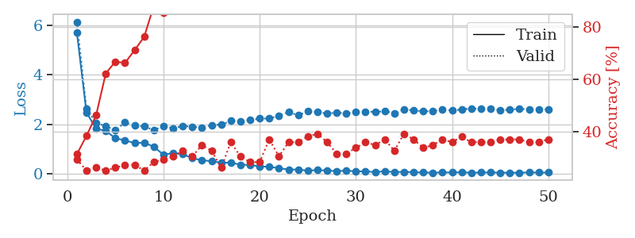
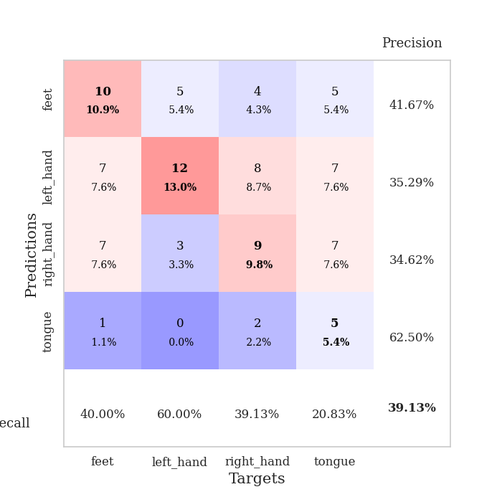
train_loss | valid_loss | train_accuracy | valid_accuracy | dur | train_misclass | valid_misclass
5.7248225005 | 6.1492781639 | 0.3125 | 0.29347826087 | 0.10763287544 | 31.25 | 29.347826087
2.4767395206 | 2.6260818502 | 0.38315217391 | 0.25 | 0.10696411133 | 38.315217391 | 25
1.812343771 | 2.0572549364 | 0.46195652174 | 0.26086956522 | 0.10137367249 | 46.195652174 | 26.086956522
1.7336677054 | 1.9162674158 | 0.6222826087 | 0.25 | 0.11095380783 | 62.22826087 | 25
1.4280430908 | 1.7573454536 | 0.66847826087 | 0.26086956522 | 0.10461401939 | 66.847826087 | 26.086956522
1.345716181 | 2.0724316576 | 0.66304347826 | 0.27173913043 | 0.10800266266 | 66.304347826 | 27.173913043
1.2313778349 | 1.938213224 | 0.71195652174 | 0.27173913043 | 0.10838627815 | 71.195652174 | 27.173913043
1.2508941915 | 1.9075461367 | 0.76358695652 | 0.25 | 0.1068277359 | 76.358695652 | 25
1.0797590665 | 1.7614483989 | 0.88315217391 | 0.28260869565 | 0.10775446892 | 88.315217391 | 28.260869565
0.76365605256 | 1.9248940841 | 0.85597826087 | 0.29347826087 | 0.11782050133 | 85.597826087 | 29.347826087
0.82664298493 | 1.8320688217 | 0.875 | 0.30434782609 | 0.10607981682 | 87.5 | 30.434782609
0.78486480402 | 1.9239248089 | 0.9375 | 0.32608695652 | 0.10736846924 | 93.75 | 32.608695652
0.61782995644 | 1.8988753765 | 0.95380434783 | 0.30434782609 | 0.11012220383 | 95.380434783 | 30.434782609
0.54396306821 | 1.8564239533 | 1 | 0.34782608696 | 0.11095738411 | 100 | 34.782608696
0.49535635891 | 1.9679945448 | 0.97282608696 | 0.32608695652 | 0.10613226891 | 97.282608696 | 32.608695652
0.43797117277 | 1.9826842961 | 0.98913043478 | 0.26086956522 | 0.10205984116 | 98.913043478 | 26.086956522
0.43938116924 | 2.1306374591 | 0.9972826087 | 0.35869565217 | 0.10468006134 | 99.72826087 | 35.869565217
0.35910960708 | 2.121533031 | 1 | 0.30434782609 | 0.10196590424 | 100 | 30.434782609
0.34498665773 | 2.1773255701 | 1 | 0.28260869565 | 0.10133433342 | 100 | 28.260869565
0.28949194094 | 2.2261357411 | 1 | 0.28260869565 | 0.10730981827 | 100 | 28.260869565
0.27153018085 | 2.2314289031 | 1 | 0.36956521739 | 0.11286377907 | 100 | 36.956521739
0.21845824531 | 2.3461625472 | 1 | 0.30434782609 | 0.11639928818 | 100 | 30.434782609
0.15965194595 | 2.4936348252 | 1 | 0.35869565217 | 0.10617518425 | 100 | 35.869565217
0.16021308562 | 2.3560450388 | 1 | 0.35869565217 | 0.10840606689 | 100 | 35.869565217
0.11468760969 | 2.5339376719 | 1 | 0.38043478261 | 0.11057496071 | 100 | 38.043478261
0.13963440279 | 2.4867927302 | 1 | 0.39130434783 | 0.10450553894 | 100 | 39.130434783
0.12094549227 | 2.4318539267 | 1 | 0.35869565217 | 0.11217570305 | 100 | 35.869565217
0.09697483237 | 2.4673321247 | 1 | 0.3152173913 | 0.10969376564 | 100 | 31.52173913
0.11954907457 | 2.4343746434 | 1 | 0.3152173913 | 0.10142970085 | 100 | 31.52173913
0.084895431348 | 2.493867304 | 1 | 0.33695652174 | 0.106539011 | 100 | 33.695652174
0.086784365749 | 2.5121146596 | 1 | 0.35869565217 | 0.10881733894 | 100 | 35.869565217
0.058429939065 | 2.4961241846 | 1 | 0.34782608696 | 0.11001086235 | 100 | 34.782608696
0.091445286475 | 2.5232339216 | 1 | 0.36956521739 | 0.10967850685 | 100 | 36.956521739
0.057916487851 | 2.4495622697 | 1 | 0.32608695652 | 0.11020040512 | 100 | 32.608695652
0.066485520776 | 2.5891533935 | 1 | 0.39130434783 | 0.11109137535 | 100 | 39.130434783
0.052189991607 | 2.5594350877 | 1 | 0.36956521739 | 0.11215519905 | 100 | 36.956521739
0.043470336529 | 2.5196832159 | 1 | 0.33695652174 | 0.11038756371 | 100 | 33.695652174
0.034879989335 | 2.5287253442 | 1 | 0.34782608696 | 0.11234998703 | 100 | 34.782608696
0.044023108871 | 2.5889703398 | 1 | 0.36956521739 | 0.10597014427 | 100 | 36.956521739
0.043677685377 | 2.5556260917 | 1 | 0.35869565217 | 0.10379528999 | 100 | 35.869565217
0.051059541697 | 2.5967509539 | 1 | 0.38043478261 | 0.10208296776 | 100 | 38.043478261
0.033764114968 | 2.6343517096 | 1 | 0.35869565217 | 0.11052131653 | 100 | 35.869565217
0.040292359281 | 2.6263045332 | 1 | 0.35869565217 | 0.11156725883 | 100 | 35.869565217
0.043334312575 | 2.6151881944 | 1 | 0.35869565217 | 0.10466527939 | 100 | 35.869565217
0.036618372203 | 2.5727858232 | 1 | 0.36956521739 | 0.10602164268 | 100 | 36.956521739
0.030884771972 | 2.5897643255 | 1 | 0.36956521739 | 0.11046648026 | 100 | 36.956521739
0.035593090174 | 2.6191543393 | 1 | 0.36956521739 | 0.10727596283 | 100 | 36.956521739
0.043311818138 | 2.6039724661 | 1 | 0.35869565217 | 0.10784554482 | 100 | 35.869565217
0.038858352877 | 2.6026184248 | 1 | 0.35869565217 | 0.10710477829 | 100 | 35.869565217
0.039716462321 | 2.5979902537 | 1 | 0.36956521739 | 0.1067917347 | 100 | 36.956521739

Best Val accuracy is 0.391304347826087 and Best test accuracy is 0.31896551724137934

Sheet9
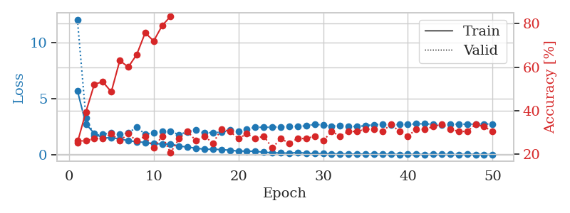
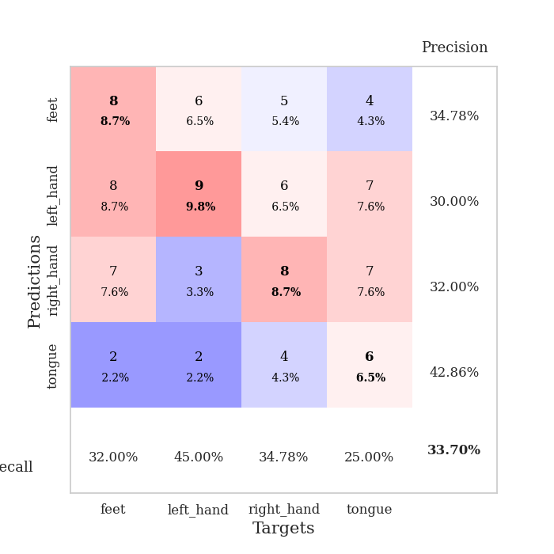
train_loss | valid_loss | train_accuracy | valid_accuracy | dur | train_misclass | valid_misclass
5.7382941764 | 12.078023081 | 0.2527173913 | 0.26086956522 | 0.10787677765 | 25.27173913 | 26.086956522
2.7673083907 | 3.3364593568 | 0.39402173913 | 0.26086956522 | 0.10086560249 | 39.402173913 | 26.086956522
1.9159368691 | 1.7345253125 | 0.52173913043 | 0.27173913043 | 0.10340690613 | 52.173913043 | 27.173913043
1.5245278348 | 1.8485408192 | 0.53260869565 | 0.27173913043 | 0.10889720917 | 53.260869565 | 27.173913043
1.5399617812 | 1.9754357545 | 0.48641304348 | 0.29347826087 | 0.10502481461 | 48.641304348 | 29.347826087
1.4417805568 | 1.8338877481 | 0.63043478261 | 0.26086956522 | 0.11012983322 | 63.043478261 | 26.086956522
1.2744071691 | 1.979346239 | 0.60054347826 | 0.29347826087 | 0.10796713829 | 60.054347826 | 29.347826087
1.1816440095 | 2.4724357024 | 0.65760869565 | 0.26086956522 | 0.10680866241 | 65.760869565 | 26.086956522
1.1227808595 | 1.8604974954 | 0.75815217391 | 0.28260869565 | 0.10804486275 | 75.815217391 | 28.260869565
1.0024963021 | 1.980289397 | 0.72010869565 | 0.22826086957 | 0.10756397247 | 72.010869565 | 22.826086957
0.99494513481 | 2.0818790975 | 0.79076086957 | 0.28260869565 | 0.1067211628 | 79.076086957 | 28.260869565
0.96702332859 | 2.0838726292 | 0.83423913043 | 0.20652173913 | 0.10706448555 | 83.423913043 | 20.652173913
0.80814591309 | 1.8218262662 | 0.9402173913 | 0.27173913043 | 0.114392519 | 94.02173913 | 27.173913043
0.70052709398 | 2.0752460231 | 0.92391304348 | 0.30434782609 | 0.10617208481 | 92.391304348 | 30.434782609
0.61447543683 | 2.2334877408 | 0.9375 | 0.26086956522 | 0.10731816292 | 93.75 | 26.086956522
0.51110062262 | 1.966297528 | 0.98097826087 | 0.28260869565 | 0.11114239693 | 98.097826087 | 28.260869565
0.51628372073 | 2.0105145911 | 0.97826086957 | 0.25 | 0.10809206963 | 97.826086957 | 25
0.48233688655 | 2.021929036 | 0.98913043478 | 0.3152173913 | 0.10979008675 | 98.913043478 | 31.52173913
0.4316934237 | 2.2128946885 | 1 | 0.30434782609 | 0.11355090141 | 100 | 30.434782609
0.35040149481 | 2.1105691972 | 1 | 0.27173913043 | 0.11414313316 | 100 | 27.173913043
0.35106615398 | 2.2867052451 | 0.99456521739 | 0.29347826087 | 0.10421657562 | 99.456521739 | 29.347826087
0.33262536254 | 2.4832756623 | 1 | 0.27173913043 | 0.10941934586 | 100 | 27.173913043
0.24849012526 | 2.4658363487 | 1 | 0.28260869565 | 0.10161375999 | 100 | 28.260869565
0.20171832358 | 2.4869191439 | 1 | 0.22826086957 | 0.10804867744 | 100 | 22.826086957
0.18026289538 | 2.5142473656 | 1 | 0.27173913043 | 0.10686516762 | 100 | 27.173913043
0.16805324631 | 2.5708197511 | 1 | 0.25 | 0.11084532738 | 100 | 25
0.22356925111 | 2.5524752658 | 1 | 0.27173913043 | 0.10146832466 | 100 | 27.173913043
0.16585781741 | 2.6044182155 | 1 | 0.27173913043 | 0.1056022644 | 100 | 27.173913043
0.12153474484 | 2.7443605195 | 1 | 0.28260869565 | 0.10780024529 | 100 | 28.260869565
0.12654487222 | 2.659053336 | 1 | 0.26086956522 | 0.10758018494 | 100 | 26.086956522
0.096396191775 | 2.5615310462 | 1 | 0.30434782609 | 0.10150504112 | 100 | 30.434782609
0.10790295919 | 2.6273516676 | 1 | 0.28260869565 | 0.10832381248 | 100 | 28.260869565
0.072411235422 | 2.5358668307 | 1 | 0.30434782609 | 0.10878992081 | 100 | 30.434782609
0.086666278379 | 2.5483488622 | 1 | 0.30434782609 | 0.10701417923 | 100 | 30.434782609
0.080425935109 | 2.6147011881 | 1 | 0.3152173913 | 0.11044049263 | 100 | 31.52173913
0.069047831566 | 2.7100185622 | 1 | 0.3152173913 | 0.10764789581 | 100 | 31.52173913
0.077263123558 | 2.7261599354 | 1 | 0.30434782609 | 0.10964798927 | 100 | 30.434782609
0.070130011107 | 2.6931783531 | 1 | 0.33695652174 | 0.11074471474 | 100 | 33.695652174
0.051611184426 | 2.7150743008 | 1 | 0.30434782609 | 0.11233663559 | 100 | 30.434782609
0.055448170589 | 2.7206608834 | 1 | 0.28260869565 | 0.10486078262 | 100 | 28.260869565
0.059985061662 | 2.78877533 | 1 | 0.3152173913 | 0.11089372635 | 100 | 31.52173913
0.051382049088 | 2.7767105103 | 1 | 0.3152173913 | 0.10905075073 | 100 | 31.52173913
0.054055179955 | 2.7487124153 | 1 | 0.32608695652 | 0.11063885689 | 100 | 32.608695652
0.054878424043 | 2.7079378107 | 1 | 0.33695652174 | 0.1108276844 | 100 | 33.695652174
0.053553299695 | 2.7398762185 | 1 | 0.3152173913 | 0.1074848175 | 100 | 31.52173913
0.037941450415 | 2.7560726352 | 1 | 0.30434782609 | 0.10866451263 | 100 | 30.434782609
0.07249635462 | 2.7420829897 | 1 | 0.30434782609 | 0.10552620888 | 100 | 30.434782609
0.051154194643 | 2.7648126664 | 1 | 0.33695652174 | 0.11115884781 | 100 | 33.695652174
0.046081048315 | 2.7659090291 | 1 | 0.32608695652 | 0.11070966721 | 100 | 32.608695652
0.051146154697 | 2.7714883763 | 1 | 0.30434782609 | 0.11420488358 | 100 | 30.434782609

Best Val accuracy is 0.33695652173913043 and Best test accuracy is 0.3017241379310345

Sheet10
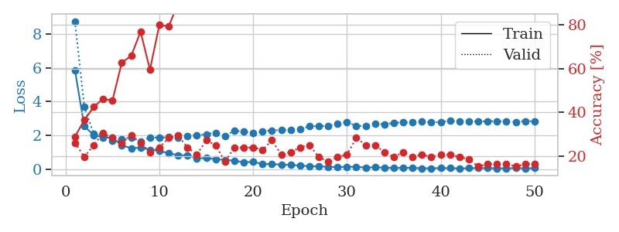
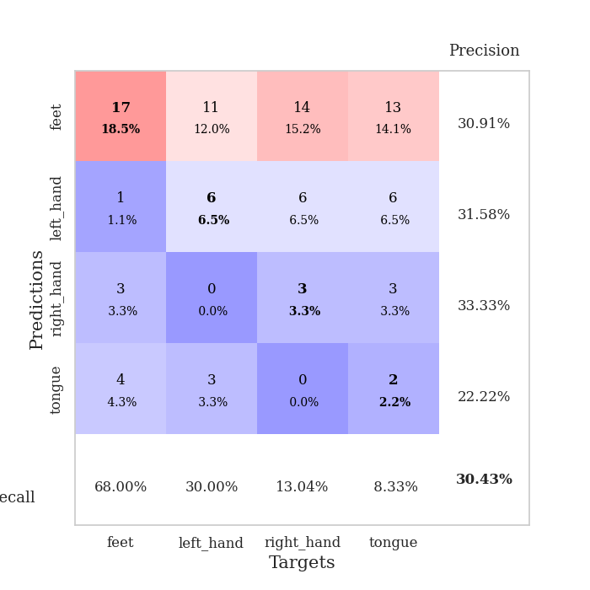
train_loss | valid_loss | train_accuracy | valid_accuracy | dur | train_misclass | valid_misclass
5.8623622138 | 8.7467329813 | 0.28804347826 | 0.26086956522 | 0.10522603989 | 28.804347826 | 26.086956522
2.5411387786 | 3.7030340796 | 0.36413043478 | 0.19565217391 | 0.096783876419 | 36.413043478 | 19.565217391
2.0272126716 | 2.1041204929 | 0.42391304348 | 0.25 | 0.095946788788 | 42.391304348 | 25
1.8888439821 | 2.0546513174 | 0.46195652174 | 0.30434782609 | 0.098288059235 | 46.195652174 | 30.434782609
1.8625280857 | 1.6916202618 | 0.45380434783 | 0.28260869565 | 0.11113381386 | 45.380434783 | 28.260869565
1.4158523446 | 1.7923014423 | 0.6277173913 | 0.26086956522 | 0.10271692276 | 62.77173913 | 26.086956522
1.2493783806 | 1.8877755766 | 0.65760869565 | 0.29347826087 | 0.10710096359 | 65.760869565 | 29.347826087
1.2679411588 | 1.6377801843 | 0.76902173913 | 0.26086956522 | 0.10708665848 | 76.902173913 | 26.086956522
1.1569165484 | 1.8784208557 | 0.59510869565 | 0.21739130435 | 0.1096842289 | 59.510869565 | 21.739130435
1.0876895163 | 1.8706443051 | 0.79891304348 | 0.23913043478 | 0.10662484169 | 79.891304348 | 23.913043478
0.94957118838 | 1.895144701 | 0.79347826087 | 0.28260869565 | 0.10389614105 | 79.347826087 | 28.260869565
0.82915064433 | 1.8744213063 | 0.89673913043 | 0.29347826087 | 0.10158872604 | 89.673913043 | 29.347826087
0.82903151149 | 1.9633767605 | 0.93206521739 | 0.23913043478 | 0.10386633873 | 93.206521739 | 23.913043478
0.65227020564 | 2.0032642924 | 0.92391304348 | 0.20652173913 | 0.10171413422 | 92.391304348 | 20.652173913
0.66041698534 | 2.0712471838 | 0.96739130435 | 0.27173913043 | 0.11186170578 | 96.739130435 | 27.173913043
0.59346083973 | 2.1625283594 | 0.97826086957 | 0.25 | 0.10958147049 | 97.826086957 | 25
0.55368350187 | 1.9728808507 | 0.98369565217 | 0.17391304348 | 0.10855817795 | 98.369565217 | 17.391304348
0.50950269207 | 2.2769999919 | 0.97282608696 | 0.23913043478 | 0.10899376869 | 97.282608696 | 23.913043478
0.41278343745 | 2.226769976 | 0.98913043478 | 0.23913043478 | 0.10408210754 | 98.913043478 | 23.913043478
0.44125597244 | 2.1339171658 | 0.99184782609 | 0.23913043478 | 0.10011768341 | 99.184782609 | 23.913043478
0.30427708639 | 2.2517213614 | 1 | 0.22826086957 | 0.10302495956 | 100 | 22.826086957
0.31138286934 | 2.2944571661 | 1 | 0.27173913043 | 0.10492873192 | 100 | 27.173913043
0.26900773463 | 2.3202099904 | 0.9972826087 | 0.20652173913 | 0.10596346855 | 99.72826087 | 20.652173913
0.2577907673 | 2.3420237769 | 1 | 0.21739130435 | 0.10385084152 | 100 | 21.739130435
0.21409044188 | 2.3479294259 | 1 | 0.23913043478 | 0.1056163311 | 100 | 23.913043478
0.18233428539 | 2.5326125414 | 1 | 0.25 | 0.11255908012 | 100 | 25
0.1654746986 | 2.5625262986 | 1 | 0.19565217391 | 0.11243081093 | 100 | 19.565217391
0.15006944991 | 2.5489628108 | 1 | 0.17391304348 | 0.10701656342 | 100 | 17.391304348
0.12221744648 | 2.6933634074 | 1 | 0.19565217391 | 0.10673546791 | 100 | 19.565217391
0.15079878595 | 2.7910569129 | 1 | 0.20652173913 | 0.10252261162 | 100 | 20.652173913
0.14198266286 | 2.5680076143 | 1 | 0.28260869565 | 0.10440516472 | 100 | 28.260869565
0.09971354999 | 2.5521118123 | 1 | 0.25 | 0.10812163353 | 100 | 25
0.1155139173 | 2.7103560282 | 1 | 0.25 | 0.10768413544 | 100 | 25
0.099432153465 | 2.6529236462 | 1 | 0.21739130435 | 0.11090373993 | 100 | 21.739130435
0.07460635528 | 2.7462240509 | 1 | 0.19565217391 | 0.10559201241 | 100 | 19.565217391
0.086268596108 | 2.7703462995 | 1 | 0.21739130435 | 0.10705161095 | 100 | 21.739130435
0.087183827777 | 2.7690398071 | 1 | 0.19565217391 | 0.10903787613 | 100 | 19.565217391
0.056236412943 | 2.8099302416 | 1 | 0.20652173913 | 0.10811424255 | 100 | 20.652173913
0.060119719447 | 2.7705963695 | 1 | 0.19565217391 | 0.11076545715 | 100 | 19.565217391
0.069934920286 | 2.7930741828 | 1 | 0.20652173913 | 0.10535049438 | 100 | 20.652173913
0.065394606198 | 2.8577997892 | 1 | 0.20652173913 | 0.10975408554 | 100 | 20.652173913
0.050890509606 | 2.8321163551 | 1 | 0.19565217391 | 0.10729885101 | 100 | 19.565217391
0.063734449973 | 2.8205273255 | 1 | 0.1847826087 | 0.11244368553 | 100 | 18.47826087
0.071576657422 | 2.8255936167 | 1 | 0.15217391304 | 0.1062579155 | 100 | 15.217391304
0.064637192646 | 2.8381489567 | 1 | 0.16304347826 | 0.11081767082 | 100 | 16.304347826
0.061187267141 | 2.8360614051 | 1 | 0.16304347826 | 0.10896921158 | 100 | 16.304347826
0.054476296246 | 2.8339592167 | 1 | 0.16304347826 | 0.10380411148 | 100 | 16.304347826
0.070636583816 | 2.8017990796 | 1 | 0.15217391304 | 0.10751128197 | 100 | 15.217391304
0.056386354055 | 2.8421374508 | 1 | 0.16304347826 | 0.10536265373 | 100 | 16.304347826
0.063776396336 | 2.8409106213 | 1 | 0.16304347826 | 0.10809493065 | 100 | 16.304347826

Best Val accuracy is 0.30434782608695654 and Best test accuracy is 0.29310344827586204

