Sheet
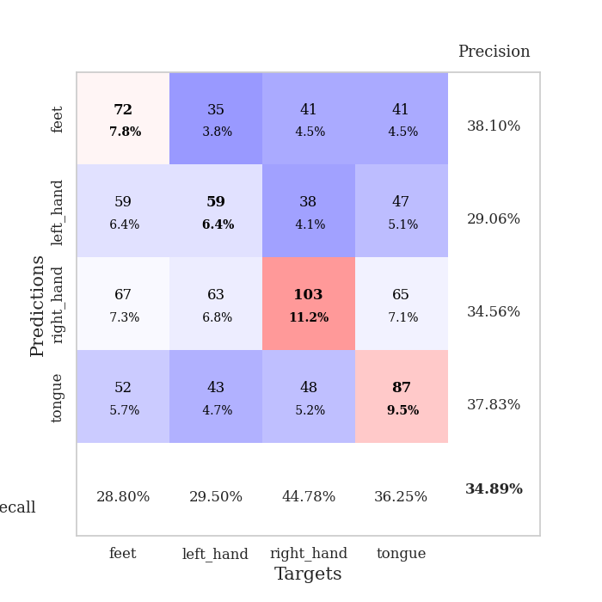
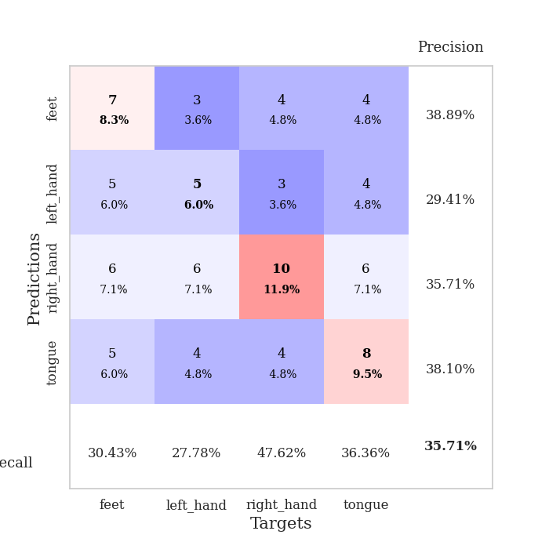
best_val_acc | best_val_los | best_test_acc
0.32608695652 | 1.6795965692 | 0.26724137931
0.40217391304 | 1.4270386644 | 0.27586206897
0.33695652174 | 1.8238135421 | 0.25862068966
0.32608695652 | 1.5546683229 | 0.30172413793
0.32608695652 | 1.679704521 | 0.25862068966
0.38043478261 | 1.5763611638 | 0.30172413793
0.30434782609 | 1.6785969942 | 0.30172413793
0.30434782609 | 1.5483945349 | 0.24137931034
0.40217391304 | 1.4609339963 | 0.27586206897
0.38043478261 | 1.4354716332 | 0.28448275862

Mean,std Val accuracy is 0.3489130434782609 , 0.03849797524388259 and mean, std test accuracy is 0.27672413793103445 , 0.020900110972377213

Sheet1
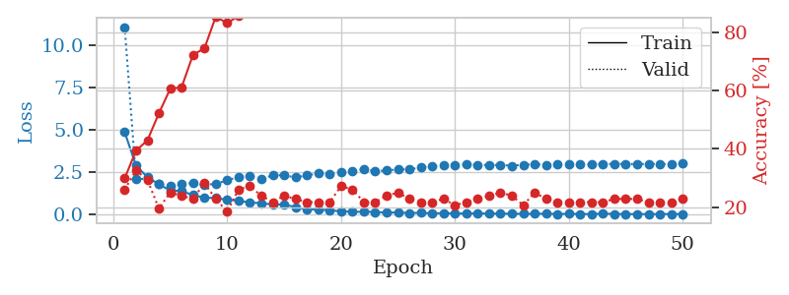
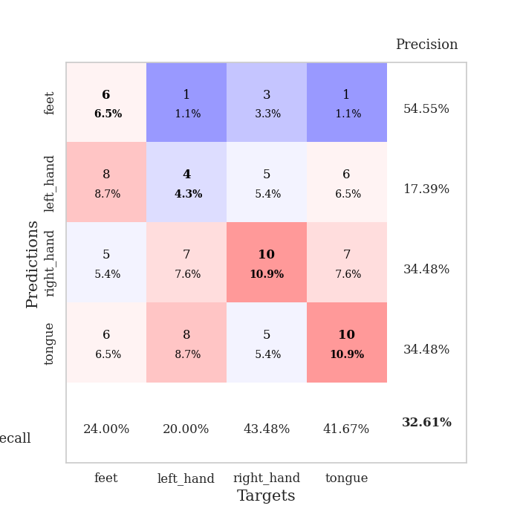
train_loss | valid_loss | train_accuracy | valid_accuracy | dur | train_misclass | valid_misclass
4.8622475603 | 11.058049824 | 0.29891304348 | 0.26086956522 | 0.11079096794 | 29.891304348 | 26.086956522
2.8793259341 | 2.092796051 | 0.39402173913 | 0.32608695652 | 0.10688447952 | 39.402173913 | 32.608695652
2.2034585269 | 2.1017401529 | 0.42934782609 | 0.29347826087 | 0.10340833664 | 42.934782609 | 29.347826087
1.7841477031 | 1.8032496494 | 0.52173913043 | 0.19565217391 | 0.10480690002 | 52.173913043 | 19.565217391
1.4147082386 | 1.6795965692 | 0.60597826087 | 0.25 | 0.10967588425 | 60.597826087 | 25
1.3882746567 | 1.8298208662 | 0.61141304348 | 0.23913043478 | 0.10695695877 | 61.141304348 | 23.913043478
1.1392683931 | 1.8359110044 | 0.72282608696 | 0.22826086957 | 0.10308170319 | 72.282608696 | 22.826086957
0.99147554843 | 1.7388806188 | 0.74456521739 | 0.28260869565 | 0.11490559578 | 74.456521739 | 28.260869565
0.9722849027 | 1.8111988099 | 0.85326086957 | 0.22826086957 | 0.10458087921 | 85.326086957 | 22.826086957
0.8660457808 | 2.0112587939 | 0.83152173913 | 0.1847826087 | 0.10745501518 | 83.152173913 | 18.47826087
0.81849370443 | 2.2266465477 | 0.85597826087 | 0.26086956522 | 0.10983967781 | 85.597826087 | 26.086956522
0.69971230885 | 2.2490430915 | 0.91304347826 | 0.27173913043 | 0.10247302055 | 91.304347826 | 27.173913043
0.67425168079 | 2.0689408209 | 0.95923913043 | 0.23913043478 | 0.10168910027 | 95.923913043 | 23.913043478
0.58598501592 | 2.3245781764 | 0.98369565217 | 0.21739130435 | 0.10669898987 | 98.369565217 | 21.739130435
0.59537066584 | 2.3088449395 | 0.92663043478 | 0.23913043478 | 0.10613870621 | 92.663043478 | 23.913043478
0.4278935356 | 2.1898493611 | 0.9972826087 | 0.22826086957 | 0.11415934563 | 99.72826087 | 22.826086957
0.30180774467 | 2.3009733324 | 0.99184782609 | 0.21739130435 | 0.10279130936 | 99.184782609 | 21.739130435
0.29189792502 | 2.4250210938 | 0.99456521739 | 0.21739130435 | 0.10839390755 | 99.456521739 | 21.739130435
0.24967532767 | 2.3871673708 | 1 | 0.21739130435 | 0.10198426247 | 100 | 21.739130435
0.18639376695 | 2.4778415068 | 1 | 0.27173913043 | 0.11417484283 | 100 | 27.173913043
0.15714531975 | 2.5475802473 | 1 | 0.26086956522 | 0.10543656349 | 100 | 26.086956522
0.15728811239 | 2.6890135589 | 1 | 0.21739130435 | 0.11808729172 | 100 | 21.739130435
0.14987953817 | 2.544253142 | 1 | 0.21739130435 | 0.10755228996 | 100 | 21.739130435
0.10829295688 | 2.6099873781 | 1 | 0.23913043478 | 0.10685157776 | 100 | 23.913043478
0.12690400753 | 2.6488987052 | 1 | 0.25 | 0.10717391968 | 100 | 25
0.082620570274 | 2.6652428171 | 1 | 0.22826086957 | 0.1053583622 | 100 | 22.826086957
0.10574423214 | 2.7643024507 | 1 | 0.21739130435 | 0.10171723366 | 100 | 21.739130435
0.067643425468 | 2.842059944 | 1 | 0.21739130435 | 0.11091685295 | 100 | 21.739130435
0.078465729871 | 2.9128723456 | 1 | 0.22826086957 | 0.10736656189 | 100 | 22.826086957
0.058152575329 | 2.9279664185 | 1 | 0.20652173913 | 0.10593175888 | 100 | 20.652173913
0.057230264029 | 2.9548914744 | 1 | 0.21739130435 | 0.10890626907 | 100 | 21.739130435
0.072442658165 | 2.9218225997 | 1 | 0.22826086957 | 0.1125793457 | 100 | 22.826086957
0.049692844425 | 2.9177604447 | 1 | 0.23913043478 | 0.11726284027 | 100 | 23.913043478
0.057692020301 | 2.9242657682 | 1 | 0.25 | 0.11045241356 | 100 | 25
0.039968778217 | 2.8764273084 | 1 | 0.23913043478 | 0.11384344101 | 100 | 23.913043478
0.041983904762 | 2.9348876891 | 1 | 0.20652173913 | 0.10828208923 | 100 | 20.652173913
0.037191399454 | 2.9570964005 | 1 | 0.25 | 0.10841226578 | 100 | 25
0.050581181341 | 2.9331434913 | 1 | 0.22826086957 | 0.10443425179 | 100 | 22.826086957
0.031636911809 | 2.9498636826 | 1 | 0.21739130435 | 0.10702443123 | 100 | 21.739130435
0.037618361494 | 2.952299118 | 1 | 0.21739130435 | 0.1068110466 | 100 | 21.739130435
0.029624901307 | 2.966602398 | 1 | 0.21739130435 | 0.10618281364 | 100 | 21.739130435
0.024652970854 | 2.9461644318 | 1 | 0.21739130435 | 0.10735440254 | 100 | 21.739130435
0.049841664276 | 2.9898041435 | 1 | 0.21739130435 | 0.10601043701 | 100 | 21.739130435
0.034679434546 | 2.9798143532 | 1 | 0.22826086957 | 0.11110758781 | 100 | 22.826086957
0.023344798398 | 2.9876944604 | 1 | 0.22826086957 | 0.1098883152 | 100 | 22.826086957
0.030027527504 | 2.9644246412 | 1 | 0.22826086957 | 0.10721802711 | 100 | 22.826086957
0.022389489682 | 2.9918865743 | 1 | 0.21739130435 | 0.10437083244 | 100 | 21.739130435
0.026063110639 | 2.978069378 | 1 | 0.21739130435 | 0.10782670975 | 100 | 21.739130435
0.029758887183 | 2.971831726 | 1 | 0.21739130435 | 0.1109483242 | 100 | 21.739130435
0.027537805049 | 3.008707741 | 1 | 0.22826086957 | 0.11007165909 | 100 | 22.826086957

Best Val accuracy is 0.32608695652173914 and Best test accuracy is 0.2672413793103448

Sheet2
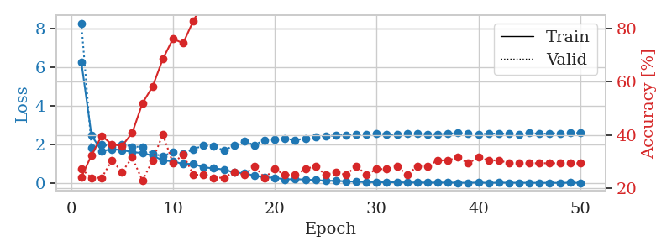
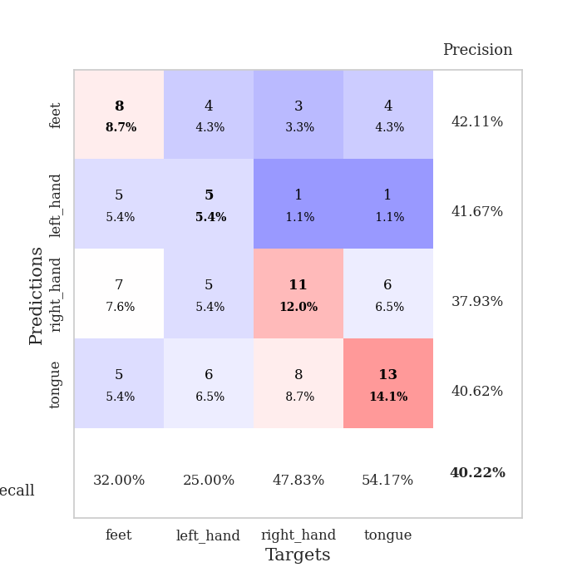
train_loss | valid_loss | train_accuracy | valid_accuracy | dur | train_misclass | valid_misclass
6.2880636194 | 8.2991710746 | 0.24184782609 | 0.27173913043 | 0.11229014397 | 24.184782609 | 27.173913043
2.4878797168 | 1.8652243614 | 0.32336956522 | 0.23913043478 | 0.10910081863 | 32.336956522 | 23.913043478
1.6774942357 | 2.039986854 | 0.39673913043 | 0.23913043478 | 0.10697960854 | 39.673913043 | 23.913043478
1.7734066352 | 1.8771880139 | 0.36413043478 | 0.30434782609 | 0.1069521904 | 36.413043478 | 30.434782609
1.7312730136 | 2.028282689 | 0.35869565217 | 0.26086956522 | 0.10758209229 | 35.869565217 | 26.086956522
1.6262421556 | 1.9101827715 | 0.40760869565 | 0.3152173913 | 0.10429811478 | 40.760869565 | 31.52173913
1.5758051302 | 1.8892015322 | 0.51902173913 | 0.22826086957 | 0.098167419434 | 51.902173913 | 22.826086957
1.4397046721 | 1.5270334741 | 0.58152173913 | 0.30434782609 | 0.10500788689 | 58.152173913 | 30.434782609
1.1950680173 | 1.4270386644 | 0.6847826087 | 0.40217391304 | 0.10373163223 | 68.47826087 | 40.217391304
1.1486141241 | 1.6115312991 | 0.76086956522 | 0.29347826087 | 0.10459542274 | 76.086956522 | 29.347826087
1.0057319169 | 1.5509824286 | 0.74456521739 | 0.32608695652 | 0.10603165627 | 74.456521739 | 32.608695652
1.0203745832 | 1.7680811105 | 0.82880434783 | 0.25 | 0.10633397102 | 82.880434783 | 25
0.83622767355 | 1.9725859528 | 0.89673913043 | 0.25 | 0.11032795906 | 89.673913043 | 25
0.78478351624 | 1.912801473 | 0.92119565217 | 0.23913043478 | 0.10723972321 | 92.119565217 | 23.913043478
0.72656934676 | 1.7132234418 | 0.97282608696 | 0.23913043478 | 0.10075592995 | 97.282608696 | 23.913043478
0.57102011986 | 1.9640815517 | 0.97010869565 | 0.26086956522 | 0.1045935154 | 97.010869565 | 26.086956522
0.53353466482 | 2.1735426706 | 0.99184782609 | 0.25 | 0.10683894157 | 99.184782609 | 25
0.40660370433 | 1.9870363111 | 0.99456521739 | 0.28260869565 | 0.11185717583 | 99.456521739 | 28.260869565
0.31858276835 | 2.2572524496 | 0.9972826087 | 0.23913043478 | 0.1115629673 | 99.72826087 | 23.913043478
0.30030653399 | 2.2641330387 | 1 | 0.27173913043 | 0.10753750801 | 100 | 27.173913043
0.21035338226 | 2.3186357384 | 1 | 0.25 | 0.10125899315 | 100 | 25
0.23039208158 | 2.2386353068 | 1 | 0.25 | 0.10646677017 | 100 | 25
0.19823669804 | 2.3394377594 | 1 | 0.27173913043 | 0.11150479317 | 100 | 27.173913043
0.17905477224 | 2.4299704562 | 1 | 0.28260869565 | 0.10472249985 | 100 | 28.260869565
0.14290098392 | 2.46002657 | 1 | 0.25 | 0.10920000076 | 100 | 25
0.13908735501 | 2.4774953127 | 1 | 0.26086956522 | 0.11019802094 | 100 | 26.086956522
0.11126508045 | 2.5049855191 | 1 | 0.25 | 0.10707235336 | 100 | 25
0.089927384954 | 2.528871925 | 1 | 0.28260869565 | 0.1160094738 | 100 | 28.260869565
0.069335359311 | 2.5456608327 | 1 | 0.25 | 0.10459089279 | 100 | 25
0.070529083438 | 2.5666343648 | 1 | 0.27173913043 | 0.10456705093 | 100 | 27.173913043
0.060998908851 | 2.5490098362 | 1 | 0.27173913043 | 0.10802960396 | 100 | 27.173913043
0.066299459856 | 2.5193463616 | 1 | 0.28260869565 | 0.11039996147 | 100 | 28.260869565
0.047216881067 | 2.5654044929 | 1 | 0.25 | 0.10388493538 | 100 | 25
0.054053066258 | 2.5857295005 | 1 | 0.28260869565 | 0.10348844528 | 100 | 28.260869565
0.041615281214 | 2.5432084332 | 1 | 0.28260869565 | 0.10446381569 | 100 | 28.260869565
0.046344720678 | 2.5520065297 | 1 | 0.30434782609 | 0.1065633297 | 100 | 30.434782609
0.047419257867 | 2.5691635712 | 1 | 0.30434782609 | 0.10865092278 | 100 | 30.434782609
0.03792154789 | 2.6207009813 | 1 | 0.3152173913 | 0.10268115997 | 100 | 31.52173913
0.03841518226 | 2.580882202 | 1 | 0.29347826087 | 0.11432909966 | 100 | 29.347826087
0.047050764622 | 2.5547115544 | 1 | 0.3152173913 | 0.10421156883 | 100 | 31.52173913
0.033602794268 | 2.5701404654 | 1 | 0.30434782609 | 0.110227108 | 100 | 30.434782609
0.042144684445 | 2.585345828 | 1 | 0.30434782609 | 0.10537576675 | 100 | 30.434782609
0.040099123938 | 2.5665023897 | 1 | 0.29347826087 | 0.10351896286 | 100 | 29.347826087
0.036829261028 | 2.5530288168 | 1 | 0.29347826087 | 0.10771727562 | 100 | 29.347826087
0.036876299925 | 2.6180835392 | 1 | 0.29347826087 | 0.10741209984 | 100 | 29.347826087
0.032690859035 | 2.5692912237 | 1 | 0.29347826087 | 0.11043429375 | 100 | 29.347826087
0.035114206981 | 2.5847061562 | 1 | 0.29347826087 | 0.10487318039 | 100 | 29.347826087
0.030879875281 | 2.6009693405 | 1 | 0.29347826087 | 0.11111783981 | 100 | 29.347826087
0.041703822537 | 2.6205645489 | 1 | 0.29347826087 | 0.10373163223 | 100 | 29.347826087
0.032556945984 | 2.6132028155 | 1 | 0.29347826087 | 0.10762763023 | 100 | 29.347826087

Best Val accuracy is 0.40217391304347827 and Best test accuracy is 0.27586206896551724

Sheet3
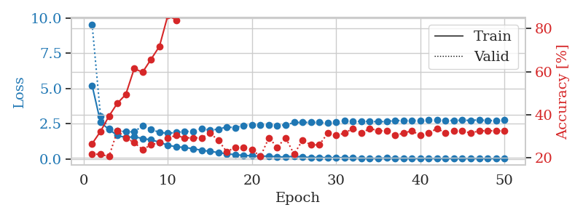
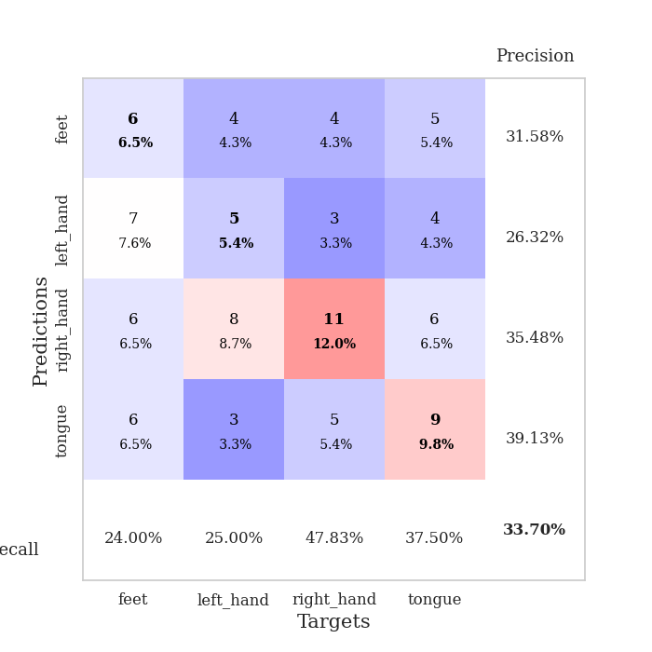
train_loss | valid_loss | train_accuracy | valid_accuracy | dur | train_misclass | valid_misclass
5.2128303414 | 9.5484328685 | 0.26630434783 | 0.21739130435 | 0.1047513485 | 26.630434783 | 21.739130435
2.5922955249 | 3.0315907934 | 0.32336956522 | 0.21739130435 | 0.10614132881 | 32.336956522 | 21.739130435
2.0904839298 | 2.1691320979 | 0.39402173913 | 0.20652173913 | 0.10839319229 | 39.402173913 | 20.652173913
1.6556955524 | 2.0039200886 | 0.45380434783 | 0.32608695652 | 0.10953593254 | 45.380434783 | 32.608695652
1.5195118474 | 1.920509639 | 0.49456521739 | 0.29347826087 | 0.1029074192 | 49.456521739 | 29.347826087
1.5645405624 | 1.9200910693 | 0.61413043478 | 0.27173913043 | 0.11561083794 | 61.413043478 | 27.173913043
1.4470321769 | 2.3487749411 | 0.59782608696 | 0.23913043478 | 0.10340332985 | 59.782608696 | 23.913043478
1.3459191504 | 2.1147528109 | 0.65760869565 | 0.26086956522 | 0.10524463654 | 65.760869565 | 26.086956522
1.1888874691 | 1.8659777952 | 0.71739130435 | 0.27173913043 | 0.10681390762 | 71.739130435 | 27.173913043
0.95883518198 | 1.8238135421 | 0.86141304348 | 0.29347826087 | 0.10436010361 | 86.141304348 | 29.347826087
0.85962324039 | 1.8624704558 | 0.83967391304 | 0.30434782609 | 0.10374379158 | 83.967391304 | 30.434782609
0.80357255495 | 1.9639043445 | 0.89945652174 | 0.29347826087 | 0.10912466049 | 89.945652174 | 29.347826087
0.72321777499 | 1.9258054288 | 0.95923913043 | 0.29347826087 | 0.1064388752 | 95.923913043 | 29.347826087
0.60844283389 | 2.156165237 | 0.89945652174 | 0.29347826087 | 0.10781240463 | 89.945652174 | 29.347826087
0.5301142011 | 2.0333071481 | 0.97826086957 | 0.3152173913 | 0.10968947411 | 97.826086957 | 31.52173913
0.4473548402 | 2.1098143899 | 0.98369565217 | 0.28260869565 | 0.1049220562 | 98.369565217 | 28.260869565
0.35755900294 | 2.2702108984 | 0.99456521739 | 0.22826086957 | 0.10796499252 | 99.456521739 | 22.826086957
0.29630978244 | 2.2097450443 | 1 | 0.25 | 0.11396455765 | 100 | 25
0.24310611512 | 2.3661358149 | 1 | 0.25 | 0.11026597023 | 100 | 25
0.21179722088 | 2.4028018558 | 1 | 0.23913043478 | 0.11167240143 | 100 | 23.913043478
0.18234646871 | 2.4237630056 | 1 | 0.20652173913 | 0.11285161972 | 100 | 20.652173913
0.19736377522 | 2.4219475933 | 1 | 0.29347826087 | 0.10299277306 | 100 | 29.347826087
0.14504259582 | 2.3767381025 | 1 | 0.25 | 0.11050915718 | 100 | 25
0.13105585475 | 2.4001121003 | 1 | 0.29347826087 | 0.10223126411 | 100 | 29.347826087
0.18698003435 | 2.5869784459 | 1 | 0.21739130435 | 0.10878610611 | 100 | 21.739130435
0.13149563871 | 2.5852314389 | 1 | 0.28260869565 | 0.10983157158 | 100 | 28.260869565
0.095403962485 | 2.5963546815 | 1 | 0.26086956522 | 0.10675883293 | 100 | 26.086956522
0.1023393509 | 2.5864348412 | 1 | 0.26086956522 | 0.1125266552 | 100 | 26.086956522
0.078860791319 | 2.5532311149 | 1 | 0.3152173913 | 0.10357832909 | 100 | 31.52173913
0.087998544028 | 2.6167125391 | 1 | 0.30434782609 | 0.1101102829 | 100 | 30.434782609
0.08095520504 | 2.7142333259 | 1 | 0.3152173913 | 0.10136079788 | 100 | 31.52173913
0.065640746089 | 2.6430042723 | 1 | 0.33695652174 | 0.11384820938 | 100 | 33.695652174
0.038358010433 | 2.6682908742 | 1 | 0.3152173913 | 0.11662769318 | 100 | 31.52173913
0.042299890526 | 2.6511417576 | 1 | 0.33695652174 | 0.11051297188 | 100 | 33.695652174
0.040451470762 | 2.636968934 | 1 | 0.32608695652 | 0.10400342941 | 100 | 32.608695652
0.065485138608 | 2.6469839034 | 1 | 0.32608695652 | 0.11023497581 | 100 | 32.608695652
0.04558655324 | 2.7275206006 | 1 | 0.30434782609 | 0.110632658 | 100 | 30.434782609
0.042258480463 | 2.7100774102 | 1 | 0.3152173913 | 0.11143159866 | 100 | 31.52173913
0.038579264676 | 2.7263717029 | 1 | 0.32608695652 | 0.11037492752 | 100 | 32.608695652
0.026618077906 | 2.7110231752 | 1 | 0.30434782609 | 0.11253261566 | 100 | 30.434782609
0.037972280432 | 2.7455131386 | 1 | 0.3152173913 | 0.1128578186 | 100 | 31.52173913
0.037339348508 | 2.7538463344 | 1 | 0.33695652174 | 0.10957503319 | 100 | 33.695652174
0.028474497285 | 2.7234276067 | 1 | 0.3152173913 | 0.10689020157 | 100 | 31.52173913
0.036279946687 | 2.7290838179 | 1 | 0.32608695652 | 0.11071181297 | 100 | 32.608695652
0.030915936212 | 2.7497077299 | 1 | 0.32608695652 | 0.1031639576 | 100 | 32.608695652
0.039348253535 | 2.7257292685 | 1 | 0.3152173913 | 0.10679101944 | 100 | 31.52173913
0.034719048837 | 2.775391361 | 1 | 0.32608695652 | 0.10745501518 | 100 | 32.608695652
0.02853935714 | 2.7093849389 | 1 | 0.32608695652 | 0.10875105858 | 100 | 32.608695652
0.03015583539 | 2.728751338 | 1 | 0.32608695652 | 0.10300087929 | 100 | 32.608695652
0.034089266768 | 2.7540636477 | 1 | 0.32608695652 | 0.1089527607 | 100 | 32.608695652

Best Val accuracy is 0.33695652173913043 and Best test accuracy is 0.25862068965517243

Sheet4
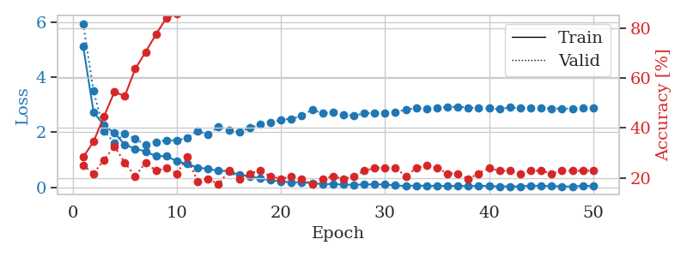
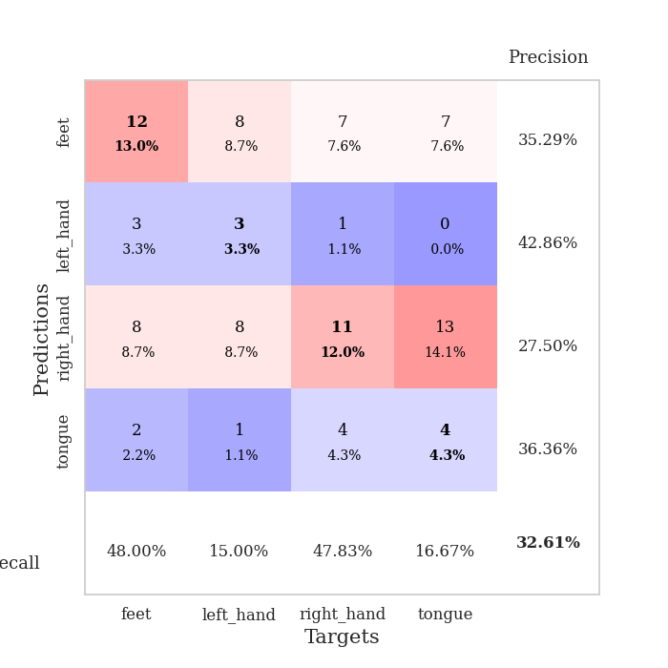
train_loss | valid_loss | train_accuracy | valid_accuracy | dur | train_misclass | valid_misclass
5.140476968 | 5.9536099434 | 0.28260869565 | 0.25 | 0.10349678993 | 28.260869565 | 25
2.7327344158 | 3.4978984543 | 0.34510869565 | 0.21739130435 | 0.10788226128 | 34.510869565 | 21.739130435
2.2517154424 | 2.0543877716 | 0.44565217391 | 0.27173913043 | 0.11338019371 | 44.565217391 | 27.173913043
1.9701505951 | 1.6105338802 | 0.54347826087 | 0.32608695652 | 0.11088442802 | 54.347826087 | 32.608695652
1.5531642359 | 1.9589294143 | 0.52717391304 | 0.26086956522 | 0.10505318642 | 52.717391304 | 26.086956522
1.3983181585 | 1.7616178834 | 0.63586956522 | 0.20652173913 | 0.10844969749 | 63.586956522 | 20.652173913
1.303263133 | 1.5546683229 | 0.70380434783 | 0.26086956522 | 0.10740876198 | 70.380434783 | 26.086956522
1.1278297176 | 1.6481418558 | 0.77445652174 | 0.22826086957 | 0.10721039772 | 77.445652174 | 22.826086957
1.1339532603 | 1.708184491 | 0.83967391304 | 0.23913043478 | 0.10314440727 | 83.967391304 | 23.913043478
0.94394171886 | 1.7004474972 | 0.85597826087 | 0.21739130435 | 0.10549521446 | 85.597826087 | 21.739130435
0.84441054126 | 1.7980151021 | 0.90489130435 | 0.28260869565 | 0.10921192169 | 90.489130435 | 28.260869565
0.71640281444 | 2.0515882554 | 0.9347826087 | 0.1847826087 | 0.10651803017 | 93.47826087 | 18.47826087
0.66643022066 | 1.9037302007 | 0.96739130435 | 0.19565217391 | 0.10388636589 | 96.739130435 | 19.565217391
0.59536266197 | 2.2041369936 | 0.97826086957 | 0.17391304348 | 0.11276841164 | 97.826086957 | 17.391304348
0.59251342519 | 2.0640680634 | 0.99456521739 | 0.22826086957 | 0.11016964912 | 99.456521739 | 22.826086957
0.4469220716 | 2.0115803428 | 0.98369565217 | 0.19565217391 | 0.11183714867 | 98.369565217 | 19.565217391
0.40188522766 | 2.152128712 | 0.9972826087 | 0.21739130435 | 0.11503601074 | 99.72826087 | 21.739130435
0.31984137096 | 2.2891206379 | 0.99456521739 | 0.22826086957 | 0.11014127731 | 99.456521739 | 22.826086957
0.25419335067 | 2.3457330828 | 1 | 0.20652173913 | 0.1112177372 | 100 | 20.652173913
0.20937598545 | 2.4511162613 | 1 | 0.19565217391 | 0.1096508503 | 100 | 19.565217391
0.17708872259 | 2.4928375638 | 1 | 0.20652173913 | 0.11229538918 | 100 | 20.652173913
0.18454464736 | 2.5949431036 | 1 | 0.19565217391 | 0.10382461548 | 100 | 19.565217391
0.14476469062 | 2.8167963132 | 1 | 0.17391304348 | 0.10410189629 | 100 | 17.391304348
0.11617567034 | 2.6908372278 | 1 | 0.19565217391 | 0.1068315506 | 100 | 19.565217391
0.11462344845 | 2.7147762257 | 1 | 0.20652173913 | 0.1180729866 | 100 | 20.652173913
0.096941470452 | 2.6343365752 | 1 | 0.19565217391 | 0.10895586014 | 100 | 19.565217391
0.086572642398 | 2.5958970215 | 1 | 0.20652173913 | 0.1048605442 | 100 | 20.652173913
0.097421700054 | 2.6925822289 | 1 | 0.22826086957 | 0.10817503929 | 100 | 22.826086957
0.10504580095 | 2.6944395978 | 1 | 0.23913043478 | 0.10692667961 | 100 | 23.913043478
0.095309851084 | 2.70803861 | 1 | 0.23913043478 | 0.11350512505 | 100 | 23.913043478
0.064036890986 | 2.7133779837 | 1 | 0.23913043478 | 0.10927987099 | 100 | 23.913043478
0.04407849013 | 2.8321609186 | 1 | 0.20652173913 | 0.11057162285 | 100 | 20.652173913
0.062993034315 | 2.8719731828 | 1 | 0.23913043478 | 0.10779738426 | 100 | 23.913043478
0.048393608901 | 2.8513263723 | 1 | 0.25 | 0.10312461853 | 100 | 25
0.051457439914 | 2.8948669848 | 1 | 0.23913043478 | 0.1048707962 | 100 | 23.913043478
0.043867922226 | 2.9208597204 | 1 | 0.21739130435 | 0.10884451866 | 100 | 21.739130435
0.05273013562 | 2.9277794568 | 1 | 0.21739130435 | 0.10503458977 | 100 | 21.739130435
0.037196282844 | 2.893633801 | 1 | 0.19565217391 | 0.10199427605 | 100 | 19.565217391
0.051095336696 | 2.8892941475 | 1 | 0.21739130435 | 0.10887408257 | 100 | 21.739130435
0.04251127192 | 2.8770729252 | 1 | 0.23913043478 | 0.10508203506 | 100 | 23.913043478
0.030580552437 | 2.8439133893 | 1 | 0.22826086957 | 0.10541772842 | 100 | 22.826086957
0.031861159606 | 2.9054905746 | 1 | 0.22826086957 | 0.11014032364 | 100 | 22.826086957
0.025135657001 | 2.8777198792 | 1 | 0.21739130435 | 0.11266207695 | 100 | 21.739130435
0.060987585427 | 2.8719744371 | 1 | 0.22826086957 | 0.11107087135 | 100 | 22.826086957
0.045798622213 | 2.8844613303 | 1 | 0.22826086957 | 0.1055970192 | 100 | 22.826086957
0.044361830689 | 2.8683188584 | 1 | 0.21739130435 | 0.10805892944 | 100 | 21.739130435
0.028744345025 | 2.8574536054 | 1 | 0.22826086957 | 0.10696530342 | 100 | 22.826086957
0.029719044394 | 2.8618369724 | 1 | 0.22826086957 | 0.10585784912 | 100 | 22.826086957
0.048780576123 | 2.8750590034 | 1 | 0.22826086957 | 0.11309361458 | 100 | 22.826086957
0.045421753797 | 2.8822171999 | 1 | 0.22826086957 | 0.10878133774 | 100 | 22.826086957

Best Val accuracy is 0.32608695652173914 and Best test accuracy is 0.3017241379310345

Sheet5
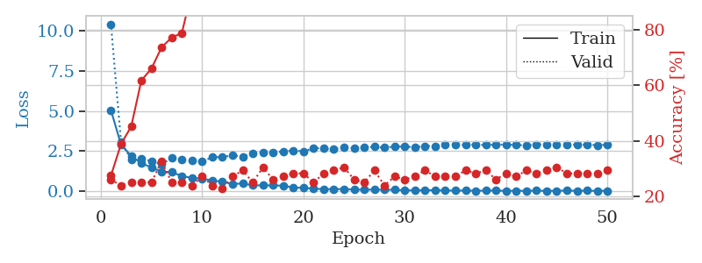
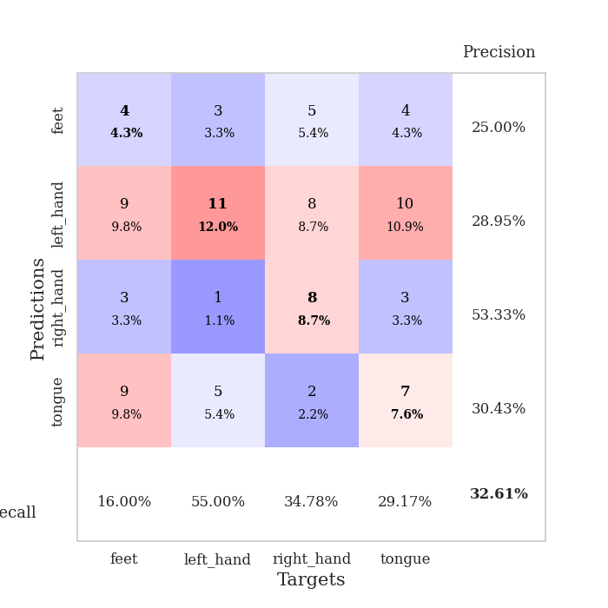
train_loss | valid_loss | train_accuracy | valid_accuracy | dur | train_misclass | valid_misclass
5.0488204023 | 10.398694785 | 0.27445652174 | 0.26086956522 | 0.10211396217 | 27.445652174 | 26.086956522
2.8967244625 | 3.0522480633 | 0.38858695652 | 0.23913043478 | 0.10511374474 | 38.858695652 | 23.913043478
2.2032560058 | 1.9888281978 | 0.45108695652 | 0.25 | 0.10514116287 | 45.108695652 | 25
1.7437176497 | 2.0099172955 | 0.61684782609 | 0.25 | 0.10327649117 | 61.684782609 | 25
1.4874724979 | 1.8914375668 | 0.66032608696 | 0.25 | 0.10467791557 | 66.032608696 | 25
1.2135733599 | 1.679704521 | 0.73641304348 | 0.32608695652 | 0.10147666931 | 73.641304348 | 32.608695652
1.201107388 | 2.0731236054 | 0.77173913043 | 0.25 | 0.10860109329 | 77.173913043 | 25
0.93896294677 | 1.9984723589 | 0.78804347826 | 0.25 | 0.10133647919 | 78.804347826 | 25
0.84427587753 | 1.9261049861 | 0.9402173913 | 0.23913043478 | 0.10990262032 | 94.02173913 | 23.913043478
0.78168408378 | 1.8547236971 | 0.91304347826 | 0.27173913043 | 0.10183119774 | 91.304347826 | 27.173913043
0.68005444952 | 2.1135065504 | 0.95923913043 | 0.23913043478 | 0.10337281227 | 95.923913043 | 23.913043478
0.58923782473 | 2.1308510148 | 0.98913043478 | 0.22826086957 | 0.11081337929 | 98.913043478 | 22.826086957
0.46110010406 | 2.2369390156 | 0.98641304348 | 0.27173913043 | 0.10821700096 | 98.641304348 | 27.173913043
0.4820540366 | 2.1633863708 | 0.99456521739 | 0.29347826087 | 0.10627365112 | 99.456521739 | 29.347826087
0.37286852948 | 2.3636847579 | 0.98913043478 | 0.25 | 0.10738182068 | 98.913043478 | 25
0.36750084874 | 2.4117536441 | 0.9972826087 | 0.30434782609 | 0.1083676815 | 99.72826087 | 30.434782609
0.36674240555 | 2.3877244721 | 0.9972826087 | 0.26086956522 | 0.10759592056 | 99.72826087 | 26.086956522
0.34826904892 | 2.4916830685 | 0.99456521739 | 0.27173913043 | 0.10706710815 | 99.456521739 | 27.173913043
0.23885362773 | 2.5319825877 | 0.9972826087 | 0.28260869565 | 0.10176062584 | 99.72826087 | 28.260869565
0.21267547005 | 2.4898336504 | 1 | 0.28260869565 | 0.10748839378 | 100 | 28.260869565
0.16668538263 | 2.6759332056 | 0.9972826087 | 0.25 | 0.11024188995 | 99.72826087 | 25
0.13312190836 | 2.6812886259 | 1 | 0.28260869565 | 0.10405063629 | 100 | 28.260869565
0.14129112337 | 2.6115765261 | 0.9972826087 | 0.29347826087 | 0.10539698601 | 99.72826087 | 29.347826087
0.13597288193 | 2.7336855453 | 1 | 0.30434782609 | 0.10437631607 | 100 | 30.434782609
0.10678287154 | 2.689697276 | 1 | 0.26086956522 | 0.10814452171 | 100 | 26.086956522
0.099119779208 | 2.7240664337 | 1 | 0.25 | 0.10510754585 | 100 | 25
0.10856566416 | 2.7675587405 | 1 | 0.29347826087 | 0.11012482643 | 100 | 29.347826087
0.094903799179 | 2.7152918007 | 1 | 0.23913043478 | 0.10120534897 | 100 | 23.913043478
0.094104460805 | 2.7863560863 | 1 | 0.27173913043 | 0.10597872734 | 100 | 27.173913043
0.064354785354 | 2.7755666919 | 1 | 0.26086956522 | 0.10493302345 | 100 | 26.086956522
0.053308068451 | 2.7481095584 | 1 | 0.27173913043 | 0.10788536072 | 100 | 27.173913043
0.068506690957 | 2.8139786098 | 1 | 0.29347826087 | 0.11059880257 | 100 | 29.347826087
0.063488086686 | 2.8118305517 | 1 | 0.27173913043 | 0.1071562767 | 100 | 27.173913043
0.044645657115 | 2.8966498375 | 1 | 0.27173913043 | 0.11385416985 | 100 | 27.173913043
0.046701864015 | 2.8784777496 | 1 | 0.27173913043 | 0.10833334923 | 100 | 27.173913043
0.046261857952 | 2.908013292 | 1 | 0.29347826087 | 0.10805225372 | 100 | 29.347826087
0.036543358158 | 2.8958295117 | 1 | 0.28260869565 | 0.1054546833 | 100 | 28.260869565
0.043947897487 | 2.8842094567 | 1 | 0.29347826087 | 0.1056895256 | 100 | 29.347826087
0.046768405535 | 2.9086655948 | 1 | 0.26086956522 | 0.10914063454 | 100 | 26.086956522
0.026660239648 | 2.9012893283 | 1 | 0.28260869565 | 0.10745882988 | 100 | 28.260869565
0.036448766275 | 2.8870138811 | 1 | 0.27173913043 | 0.10387516022 | 100 | 27.173913043
0.027102671199 | 2.8525135413 | 1 | 0.29347826087 | 0.10788607597 | 100 | 29.347826087
0.039573301683 | 2.9119832412 | 1 | 0.28260869565 | 0.10298418999 | 100 | 28.260869565
0.027383229898 | 2.9213504895 | 1 | 0.29347826087 | 0.10550427437 | 100 | 29.347826087
0.034040901526 | 2.8999305082 | 1 | 0.30434782609 | 0.11250543594 | 100 | 30.434782609
0.044768606839 | 2.8995227503 | 1 | 0.28260869565 | 0.1059217453 | 100 | 28.260869565
0.029299515219 | 2.9065621418 | 1 | 0.28260869565 | 0.10642266273 | 100 | 28.260869565
0.042445681706 | 2.9007699282 | 1 | 0.28260869565 | 0.10710692406 | 100 | 28.260869565
0.025745257897 | 2.8710504926 | 1 | 0.28260869565 | 0.10640454292 | 100 | 28.260869565
0.033733145374 | 2.8940894604 | 1 | 0.29347826087 | 0.10687422752 | 100 | 29.347826087

Best Val accuracy is 0.32608695652173914 and Best test accuracy is 0.25862068965517243

Sheet6
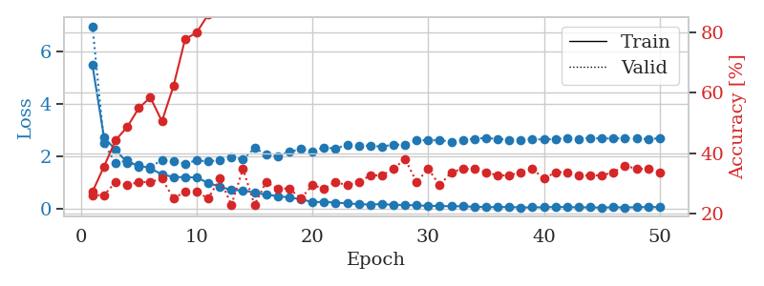
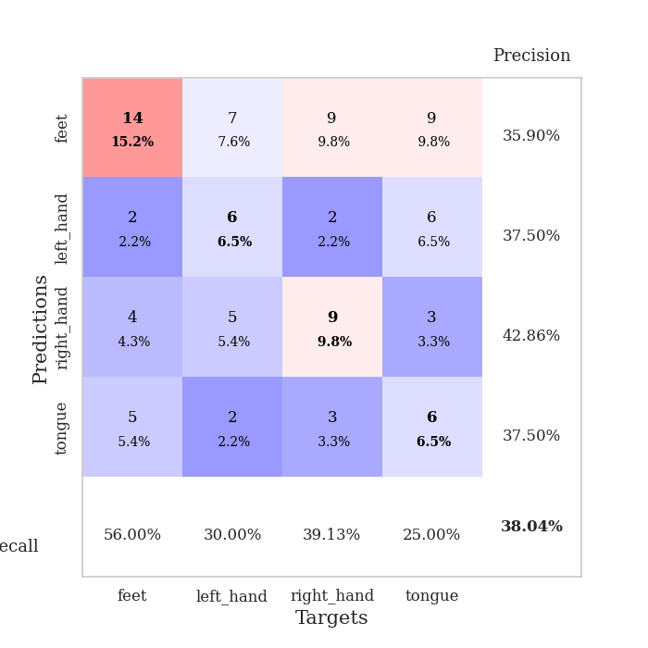
train_loss | valid_loss | train_accuracy | valid_accuracy | dur | train_misclass | valid_misclass
5.4587175639 | 6.9482750478 | 0.27173913043 | 0.26086956522 | 0.10367178917 | 27.173913043 | 26.086956522
2.7020562317 | 2.48579754 | 0.35597826087 | 0.26086956522 | 0.10746479034 | 35.597826087 | 26.086956522
2.2364868807 | 1.7127311541 | 0.44293478261 | 0.30434782609 | 0.10701560974 | 44.293478261 | 30.434782609
1.7447879988 | 1.8345499868 | 0.48641304348 | 0.29347826087 | 0.10795402527 | 48.641304348 | 29.347826087
1.6439705776 | 1.5864731747 | 0.54891304348 | 0.30434782609 | 0.11078357697 | 54.891304348 | 30.434782609
1.5269438547 | 1.5763611638 | 0.58423913043 | 0.30434782609 | 0.099997520447 | 58.423913043 | 30.434782609
1.2940794826 | 1.8453668822 | 0.50543478261 | 0.3152173913 | 0.095948696136 | 50.543478261 | 31.52173913
1.1980698912 | 1.7869618613 | 0.6222826087 | 0.25 | 0.095908164978 | 62.22826087 | 25
1.1901986366 | 1.7117051301 | 0.77717391304 | 0.27173913043 | 0.099811553955 | 77.717391304 | 27.173913043
1.1768498991 | 1.8305577558 | 0.79891304348 | 0.27173913043 | 0.099776268005 | 79.891304348 | 27.173913043
0.97109876249 | 1.7933650639 | 0.85869565217 | 0.25 | 0.09588599205 | 85.869565217 | 25
0.82586069211 | 1.8321646504 | 0.91847826087 | 0.3152173913 | 0.096152305603 | 91.847826087 | 31.52173913
0.70072329303 | 1.9586534604 | 0.94293478261 | 0.22826086957 | 0.096129417419 | 94.293478261 | 22.826086957
0.68644698806 | 1.8633472038 | 0.97010869565 | 0.34782608696 | 0.096096277237 | 97.010869565 | 34.782608696
0.5986291818 | 2.2976821609 | 0.93206521739 | 0.22826086957 | 0.096412420273 | 93.206521739 | 22.826086957
0.51961388407 | 2.0687619811 | 0.97554347826 | 0.30434782609 | 0.099502086639 | 97.554347826 | 30.434782609
0.47386485209 | 1.9870474701 | 0.9972826087 | 0.28260869565 | 0.09601688385 | 99.72826087 | 28.260869565
0.41243101786 | 2.1590094255 | 0.9972826087 | 0.28260869565 | 0.096348285675 | 99.72826087 | 28.260869565
0.35254120697 | 2.2631008314 | 1 | 0.25 | 0.096108675003 | 100 | 25
0.24033919527 | 2.1830188399 | 0.9972826087 | 0.29347826087 | 0.096252202988 | 99.72826087 | 29.347826087
0.24682804456 | 2.3234169898 | 1 | 0.28260869565 | 0.096132278442 | 100 | 28.260869565
0.22003039815 | 2.2838409776 | 1 | 0.30434782609 | 0.096207618713 | 100 | 30.434782609
0.19141519556 | 2.4273151833 | 1 | 0.29347826087 | 0.096220970154 | 100 | 29.347826087
0.16051965701 | 2.3963130764 | 1 | 0.30434782609 | 0.096248626709 | 100 | 30.434782609
0.14853572181 | 2.3894081427 | 1 | 0.32608695652 | 0.096224784851 | 100 | 32.608695652
0.16452624584 | 2.3563342198 | 1 | 0.32608695652 | 0.096162319183 | 100 | 32.608695652
0.13511453618 | 2.435314023 | 1 | 0.34782608696 | 0.09623837471 | 100 | 34.782608696
0.12997386767 | 2.4174838584 | 1 | 0.38043478261 | 0.096088886261 | 100 | 38.043478261
0.11320287698 | 2.6021021656 | 1 | 0.30434782609 | 0.096434354782 | 100 | 30.434782609
0.096727641137 | 2.5998082057 | 1 | 0.34782608696 | 0.096081733704 | 100 | 34.782608696
0.094971464704 | 2.6004485151 | 1 | 0.29347826087 | 0.096144199371 | 100 | 29.347826087
0.078480437479 | 2.5451329998 | 1 | 0.33695652174 | 0.096168041229 | 100 | 33.695652174
0.086177775474 | 2.6132050493 | 1 | 0.34782608696 | 0.096073150635 | 100 | 34.782608696
0.056979670392 | 2.6542869651 | 1 | 0.34782608696 | 0.096153259277 | 100 | 34.782608696
0.056389386644 | 2.6871500948 | 1 | 0.33695652174 | 0.096134662628 | 100 | 33.695652174
0.044867508417 | 2.6485630948 | 1 | 0.32608695652 | 0.096219062805 | 100 | 32.608695652
0.062487227356 | 2.6198596954 | 1 | 0.32608695652 | 0.10147118568 | 100 | 32.608695652
0.030784186016 | 2.6173482149 | 1 | 0.33695652174 | 0.11009860039 | 100 | 33.695652174
0.043425139647 | 2.6436943386 | 1 | 0.34782608696 | 0.10300827026 | 100 | 34.782608696
0.039757006032 | 2.6257571552 | 1 | 0.3152173913 | 0.10187554359 | 100 | 31.52173913
0.057913022298 | 2.6486139505 | 1 | 0.33695652174 | 0.10786557198 | 100 | 33.695652174
0.04746835531 | 2.671791398 | 1 | 0.33695652174 | 0.1103181839 | 100 | 33.695652174
0.043321486299 | 2.6553075314 | 1 | 0.32608695652 | 0.10328292847 | 100 | 32.608695652
0.039679627562 | 2.6850980468 | 1 | 0.32608695652 | 0.10994076729 | 100 | 32.608695652
0.032066727867 | 2.6651378715 | 1 | 0.32608695652 | 0.10439252853 | 100 | 32.608695652
0.043124114953 | 2.66768696 | 1 | 0.33695652174 | 0.11093139648 | 100 | 33.695652174
0.03801128495 | 2.6743180233 | 1 | 0.35869565217 | 0.10774517059 | 100 | 35.869565217
0.044678263407 | 2.6618302801 | 1 | 0.34782608696 | 0.11679577827 | 100 | 34.782608696
0.052871453049 | 2.6443786932 | 1 | 0.34782608696 | 0.10423350334 | 100 | 34.782608696
0.048219777704 | 2.6738618975 | 1 | 0.33695652174 | 0.10498905182 | 100 | 33.695652174

Best Val accuracy is 0.3804347826086957 and Best test accuracy is 0.3017241379310345

Sheet7
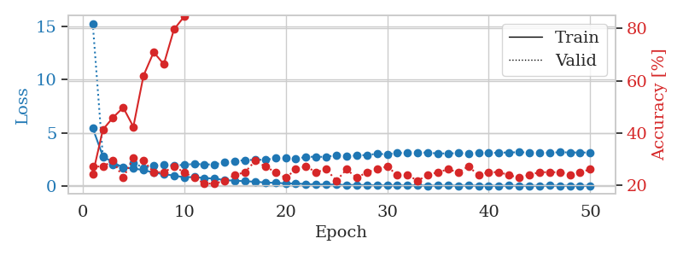
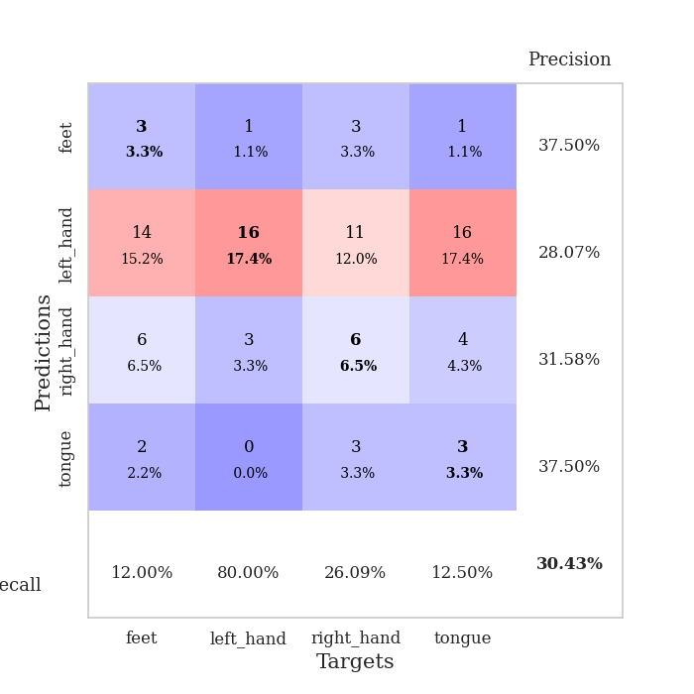
train_loss | valid_loss | train_accuracy | valid_accuracy | dur | train_misclass | valid_misclass
5.4354391409 | 15.260776271 | 0.24184782609 | 0.27173913043 | 0.10716438293 | 24.184782609 | 27.173913043
2.7974834287 | 2.7125734868 | 0.41304347826 | 0.27173913043 | 0.10385608673 | 41.304347826 | 27.173913043
2.2172481962 | 2.0242694824 | 0.45923913043 | 0.29347826087 | 0.10913968086 | 45.923913043 | 29.347826087
1.7503385958 | 1.6785969942 | 0.4972826087 | 0.22826086957 | 0.10907316208 | 49.72826087 | 22.826086957
1.6553128958 | 2.1816611964 | 0.42391304348 | 0.30434782609 | 0.11119580269 | 42.391304348 | 30.434782609
1.5032409689 | 1.7235530356 | 0.61956521739 | 0.29347826087 | 0.10280418396 | 61.956521739 | 29.347826087
1.2688201718 | 1.928773937 | 0.70923913043 | 0.25 | 0.10403895378 | 70.923913043 | 25
1.1171155054 | 2.0373932797 | 0.66304347826 | 0.25 | 0.11148500443 | 66.304347826 | 25
0.99254247676 | 1.9322696821 | 0.79619565217 | 0.27173913043 | 0.11760878563 | 79.619565217 | 27.173913043
0.8225999319 | 1.9982579428 | 0.84510869565 | 0.25 | 0.11259365082 | 84.510869565 | 25
0.85486191511 | 2.0823840732 | 0.89945652174 | 0.22826086957 | 0.10650110245 | 89.945652174 | 22.826086957
0.75434059553 | 2.0314931455 | 0.95108695652 | 0.20652173913 | 0.10554528236 | 95.108695652 | 20.652173913
0.70692819357 | 2.0291265042 | 0.96467391304 | 0.20652173913 | 0.11907601357 | 96.467391304 | 20.652173913
0.56142032406 | 2.2427816028 | 0.97826086957 | 0.21739130435 | 0.10609579086 | 97.826086957 | 21.739130435
0.51016845781 | 2.3573784932 | 0.97826086957 | 0.23913043478 | 0.11076855659 | 97.826086957 | 23.913043478
0.45864228969 | 2.4294114424 | 0.98369565217 | 0.25 | 0.10433650017 | 98.369565217 | 25
0.40853581934 | 2.4775887469 | 0.99456521739 | 0.29347826087 | 0.11620473862 | 99.456521739 | 29.347826087
0.33480633277 | 2.4631503872 | 1 | 0.27173913043 | 0.11167430878 | 100 | 27.173913043
0.30817876951 | 2.6259742198 | 1 | 0.25 | 0.11412024498 | 100 | 25
0.25320142637 | 2.6644993347 | 1 | 0.22826086957 | 0.11360144615 | 100 | 22.826086957
0.24579979609 | 2.5510723591 | 1 | 0.26086956522 | 0.10317134857 | 100 | 26.086956522
0.18946284866 | 2.7377051374 | 1 | 0.27173913043 | 0.10820841789 | 100 | 27.173913043
0.15469029044 | 2.7590670482 | 1 | 0.25 | 0.10993170738 | 100 | 25
0.1654694542 | 2.7353529826 | 1 | 0.26086956522 | 0.10845971107 | 100 | 26.086956522
0.12832788572 | 2.9200246645 | 1 | 0.21739130435 | 0.10923838615 | 100 | 21.739130435
0.10578295669 | 2.8482293046 | 1 | 0.26086956522 | 0.10900831223 | 100 | 26.086956522
0.10989048097 | 2.850319427 | 1 | 0.22826086957 | 0.10692858696 | 100 | 22.826086957
0.092818492173 | 2.9284015324 | 1 | 0.25 | 0.10580849648 | 100 | 25
0.080159022837 | 3.0213364726 | 1 | 0.26086956522 | 0.10468673706 | 100 | 26.086956522
0.06533574402 | 2.9939615105 | 1 | 0.27173913043 | 0.11385250092 | 100 | 27.173913043
0.069582504747 | 3.0925859679 | 1 | 0.23913043478 | 0.10367035866 | 100 | 23.913043478
0.065472925689 | 3.1434352709 | 1 | 0.23913043478 | 0.1049747467 | 100 | 23.913043478
0.065265029021 | 3.1626942987 | 1 | 0.21739130435 | 0.1076772213 | 100 | 21.739130435
0.045807820542 | 3.1372598254 | 1 | 0.23913043478 | 0.11074638367 | 100 | 23.913043478
0.049886645628 | 3.0621085478 | 1 | 0.25 | 0.10525679588 | 100 | 25
0.055374982321 | 3.0665440456 | 1 | 0.26086956522 | 0.10203623772 | 100 | 26.086956522
0.043201998079 | 3.0908732622 | 1 | 0.25 | 0.10370635986 | 100 | 25
0.059369540125 | 3.0730294352 | 1 | 0.27173913043 | 0.1069688797 | 100 | 27.173913043
0.040452546197 | 3.1368562761 | 1 | 0.23913043478 | 0.10234093666 | 100 | 23.913043478
0.03999694372 | 3.1148982566 | 1 | 0.25 | 0.10668158531 | 100 | 25
0.034686540395 | 3.1303793969 | 1 | 0.25 | 0.10986828804 | 100 | 25
0.051268627786 | 3.1638335456 | 1 | 0.23913043478 | 0.11108994484 | 100 | 23.913043478
0.039132226137 | 3.172178652 | 1 | 0.22826086957 | 0.10708880424 | 100 | 22.826086957
0.035696300759 | 3.1619704806 | 1 | 0.23913043478 | 0.10968089104 | 100 | 23.913043478
0.036641007775 | 3.1372466606 | 1 | 0.25 | 0.10609030724 | 100 | 25
0.046657766681 | 3.1331766792 | 1 | 0.25 | 0.10666751862 | 100 | 25
0.041905957112 | 3.1779349887 | 1 | 0.25 | 0.10779476166 | 100 | 25
0.039050773353 | 3.1576840359 | 1 | 0.23913043478 | 0.1113884449 | 100 | 23.913043478
0.027105267079 | 3.1518045405 | 1 | 0.25 | 0.10766601562 | 100 | 25
0.03751100705 | 3.1515640072 | 1 | 0.26086956522 | 0.11285591125 | 100 | 26.086956522

Best Val accuracy is 0.30434782608695654 and Best test accuracy is 0.3017241379310345

Sheet8
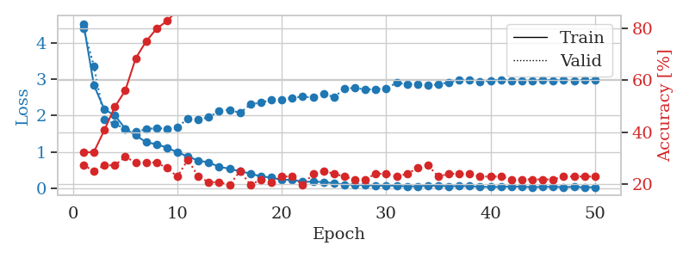
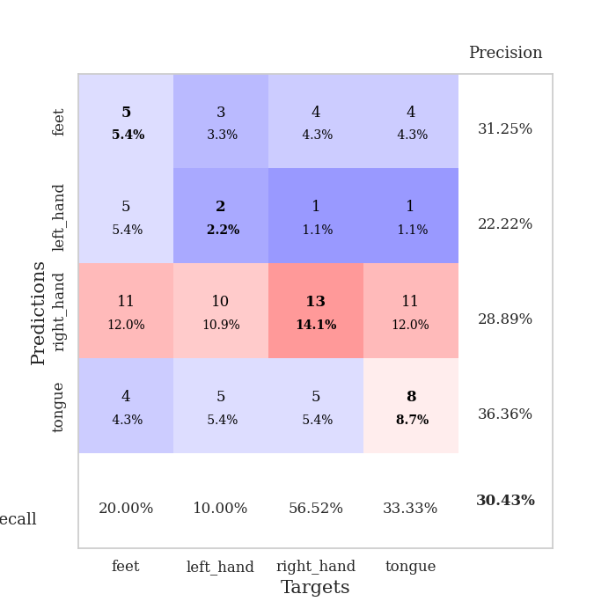
train_loss | valid_loss | train_accuracy | valid_accuracy | dur | train_misclass | valid_misclass
4.5350442658 | 4.4013108793 | 0.32065217391 | 0.27173913043 | 0.10493254662 | 32.065217391 | 27.173913043
2.8376911619 | 3.3637073869 | 0.32336956522 | 0.25 | 0.11309719086 | 32.336956522 | 25
2.1681742824 | 1.9020350705 | 0.40760869565 | 0.27173913043 | 0.11044049263 | 40.760869565 | 27.173913043
2.0079613509 | 1.7661311264 | 0.4972826087 | 0.27173913043 | 0.10740327835 | 49.72826087 | 27.173913043
1.6392563944 | 1.6414305905 | 0.5597826087 | 0.30434782609 | 0.11071014404 | 55.97826087 | 30.434782609
1.4527326667 | 1.5483945349 | 0.6847826087 | 0.28260869565 | 0.1062078476 | 68.47826087 | 28.260869565
1.2690156361 | 1.622545289 | 0.75 | 0.28260869565 | 0.10663986206 | 75 | 28.260869565
1.2075430233 | 1.6584410667 | 0.79891304348 | 0.28260869565 | 0.11087679863 | 79.891304348 | 28.260869565
1.1185946594 | 1.6334039595 | 0.82880434783 | 0.26086956522 | 0.10249829292 | 82.880434783 | 26.086956522
0.98383075517 | 1.6712226298 | 0.86956521739 | 0.22826086957 | 0.10340929031 | 86.956521739 | 22.826086957
0.87416129268 | 1.9253989251 | 0.88858695652 | 0.29347826087 | 0.11202645302 | 88.858695652 | 29.347826087
0.75859598751 | 1.8839336271 | 0.95923913043 | 0.22826086957 | 0.11375308037 | 95.923913043 | 22.826086957
0.70779169383 | 1.9572854457 | 0.95652173913 | 0.20652173913 | 0.10307717323 | 95.652173913 | 20.652173913
0.58646246661 | 2.1277086424 | 0.96739130435 | 0.20652173913 | 0.10778141022 | 96.739130435 | 20.652173913
0.53495398812 | 2.1624543045 | 0.98641304348 | 0.19565217391 | 0.10724234581 | 98.641304348 | 19.565217391
0.46036639939 | 2.0698301274 | 0.99184782609 | 0.25 | 0.10761809349 | 99.184782609 | 25
0.40353878685 | 2.3141711847 | 0.9972826087 | 0.19565217391 | 0.10223317146 | 99.72826087 | 19.565217391
0.31873712851 | 2.355578039 | 1 | 0.21739130435 | 0.11043405533 | 100 | 21.739130435
0.29344354861 | 2.4379962838 | 1 | 0.20652173913 | 0.10734653473 | 100 | 20.652173913
0.22636981665 | 2.4395290354 | 1 | 0.22826086957 | 0.1079390049 | 100 | 22.826086957
0.23305180377 | 2.4918254096 | 1 | 0.22826086957 | 0.10517835617 | 100 | 22.826086957
0.17391255385 | 2.5220794263 | 1 | 0.19565217391 | 0.11074447632 | 100 | 19.565217391
0.17854087411 | 2.4997360914 | 1 | 0.23913043478 | 0.10754966736 | 100 | 23.913043478
0.16977315024 | 2.6047775745 | 1 | 0.25 | 0.10846948624 | 100 | 25
0.13129384719 | 2.5099628075 | 1 | 0.23913043478 | 0.11172986031 | 100 | 23.913043478
0.098126832639 | 2.739722708 | 1 | 0.22826086957 | 0.10756802559 | 100 | 22.826086957
0.092906161333 | 2.7676230825 | 1 | 0.21739130435 | 0.10754370689 | 100 | 21.739130435
0.088727059896 | 2.7172074525 | 1 | 0.21739130435 | 0.10945773125 | 100 | 21.739130435
0.061329493947 | 2.7316891007 | 1 | 0.23913043478 | 0.11004066467 | 100 | 23.913043478
0.07076208261 | 2.7511583826 | 1 | 0.23913043478 | 0.10823154449 | 100 | 23.913043478
0.064351956482 | 2.9027063121 | 1 | 0.22826086957 | 0.11101865768 | 100 | 22.826086957
0.047144988511 | 2.8653209417 | 1 | 0.23913043478 | 0.10161662102 | 100 | 23.913043478
0.050004182019 | 2.8666964821 | 1 | 0.26086956522 | 0.095856428146 | 100 | 26.086956522
0.066731274168 | 2.8399086828 | 1 | 0.27173913043 | 0.095932245255 | 100 | 27.173913043
0.064376187956 | 2.8561699494 | 1 | 0.22826086957 | 0.095920324326 | 100 | 22.826086957
0.051109294893 | 2.9220051869 | 1 | 0.23913043478 | 0.096334457397 | 100 | 23.913043478
0.055011322357 | 2.9845586756 | 1 | 0.23913043478 | 0.096088647842 | 100 | 23.913043478
0.053281674789 | 2.9735963552 | 1 | 0.23913043478 | 0.096098423004 | 100 | 23.913043478
0.035695757231 | 2.9429072919 | 1 | 0.22826086957 | 0.096696615219 | 100 | 22.826086957
0.033672298021 | 2.9575991942 | 1 | 0.22826086957 | 0.11040234566 | 100 | 22.826086957
0.034187085319 | 2.9894702642 | 1 | 0.22826086957 | 0.11023736 | 100 | 22.826086957
0.044870092776 | 2.9680037187 | 1 | 0.21739130435 | 0.10668730736 | 100 | 21.739130435
0.039197344191 | 2.9538352282 | 1 | 0.21739130435 | 0.10433244705 | 100 | 21.739130435
0.028037299584 | 2.9691523262 | 1 | 0.21739130435 | 0.10709738731 | 100 | 21.739130435
0.03568593688 | 2.9841994928 | 1 | 0.21739130435 | 0.1098690033 | 100 | 21.739130435
0.036396653148 | 2.9680324637 | 1 | 0.21739130435 | 0.10654473305 | 100 | 21.739130435
0.028602604167 | 2.9852969439 | 1 | 0.22826086957 | 0.10743999481 | 100 | 22.826086957
0.034758134178 | 2.9568856177 | 1 | 0.22826086957 | 0.11085677147 | 100 | 22.826086957
0.023614009397 | 2.9863823082 | 1 | 0.22826086957 | 0.10667705536 | 100 | 22.826086957
0.028346737482 | 2.9813226928 | 1 | 0.22826086957 | 0.10017538071 | 100 | 22.826086957

Best Val accuracy is 0.30434782608695654 and Best test accuracy is 0.2413793103448276

Sheet9
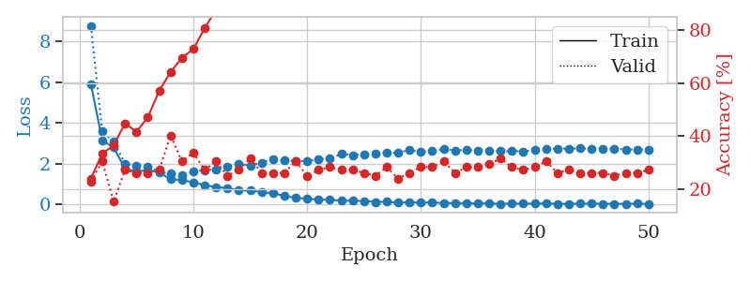
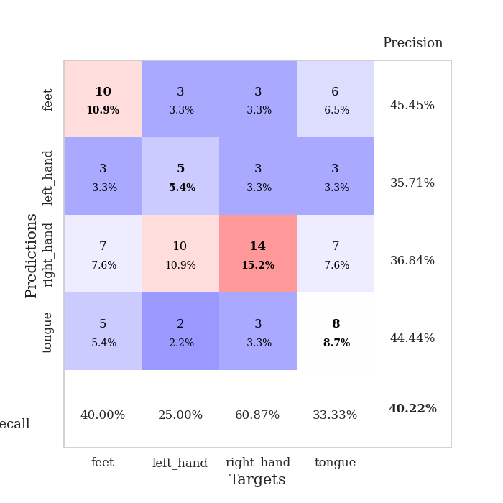
train_loss | valid_loss | train_accuracy | valid_accuracy | dur | train_misclass | valid_misclass
5.9100360767 | 8.7576430777 | 0.23913043478 | 0.22826086957 | 0.10347390175 | 23.913043478 | 22.826086957
3.1293036057 | 3.5746070717 | 0.33423913043 | 0.30434782609 | 0.11079978943 | 33.423913043 | 30.434782609
2.8059308788 | 3.0889186652 | 0.36413043478 | 0.15217391304 | 0.10522055626 | 36.413043478 | 15.217391304
1.7559585183 | 2.012168848 | 0.44836956522 | 0.27173913043 | 0.11160373688 | 44.836956522 | 27.173913043
1.6147497322 | 1.9088033801 | 0.41576086957 | 0.26086956522 | 0.1084177494 | 41.576086957 | 26.086956522
1.6850750654 | 1.8572591958 | 0.47010869565 | 0.26086956522 | 0.10686230659 | 47.010869565 | 26.086956522
1.5713311201 | 1.6109433433 | 0.57065217391 | 0.27173913043 | 0.10731267929 | 57.065217391 | 27.173913043
1.2443770714 | 1.5088670513 | 0.64130434783 | 0.40217391304 | 0.10039401054 | 64.130434783 | 40.217391304
1.1970462462 | 1.4609339963 | 0.69565217391 | 0.30434782609 | 0.10481405258 | 69.565217391 | 30.434782609
1.0906592659 | 1.6233682788 | 0.72826086957 | 0.33695652174 | 0.10250020027 | 72.826086957 | 33.695652174
0.95197341494 | 1.6857741449 | 0.80706521739 | 0.27173913043 | 0.10722494125 | 80.706521739 | 27.173913043
0.85629172688 | 1.7267651091 | 0.8777173913 | 0.30434782609 | 0.1036195755 | 87.77173913 | 30.434782609
0.80475140525 | 1.8693517239 | 0.91847826087 | 0.25 | 0.10455727577 | 91.847826087 | 25
0.69356888533 | 1.9923586949 | 0.92934782609 | 0.27173913043 | 0.10843777657 | 92.934782609 | 27.173913043
0.68492330676 | 1.9167712771 | 0.94565217391 | 0.3152173913 | 0.11227655411 | 94.565217391 | 31.52173913
0.60711676919 | 2.0532388791 | 0.95652173913 | 0.26086956522 | 0.10700082779 | 95.652173913 | 26.086956522
0.55700818935 | 2.2391011508 | 0.97010869565 | 0.26086956522 | 0.10992264748 | 97.010869565 | 26.086956522
0.42216706211 | 2.1610906642 | 0.98369565217 | 0.26086956522 | 0.11471676826 | 98.369565217 | 26.086956522
0.32059988218 | 2.1434570862 | 0.99456521739 | 0.30434782609 | 0.10932421684 | 99.456521739 | 30.434782609
0.2862282418 | 2.1230182959 | 1 | 0.25 | 0.11107826233 | 100 | 25
0.24237723811 | 2.2204619594 | 1 | 0.27173913043 | 0.10215640068 | 100 | 27.173913043
0.22904195879 | 2.2450648909 | 1 | 0.28260869565 | 0.11198282242 | 100 | 28.260869565
0.19395784791 | 2.48264943 | 1 | 0.27173913043 | 0.10793590546 | 100 | 27.173913043
0.18293144295 | 2.4218060763 | 1 | 0.27173913043 | 0.11196446419 | 100 | 27.173913043
0.17528942438 | 2.4634784927 | 1 | 0.26086956522 | 0.10966777802 | 100 | 26.086956522
0.12940421668 | 2.5068419809 | 1 | 0.25 | 0.10977387428 | 100 | 25
0.13225125351 | 2.5381895045 | 1 | 0.28260869565 | 0.10832214355 | 100 | 28.260869565
0.093735108557 | 2.5482070342 | 1 | 0.23913043478 | 0.10630846024 | 100 | 23.913043478
0.10945011918 | 2.6680089702 | 1 | 0.26086956522 | 0.10832619667 | 100 | 26.086956522
0.089243075608 | 2.580708483 | 1 | 0.28260869565 | 0.10582947731 | 100 | 28.260869565
0.10374212719 | 2.6145538558 | 1 | 0.28260869565 | 0.10710334778 | 100 | 28.260869565
0.070165755997 | 2.7204261552 | 1 | 0.30434782609 | 0.10990285873 | 100 | 30.434782609
0.074714998634 | 2.6535230616 | 1 | 0.26086956522 | 0.10317349434 | 100 | 26.086956522
0.04663524558 | 2.6723161262 | 1 | 0.28260869565 | 0.10688495636 | 100 | 28.260869565
0.057191730032 | 2.6466103015 | 1 | 0.28260869565 | 0.10454821587 | 100 | 28.260869565
0.052608298259 | 2.6419694735 | 1 | 0.29347826087 | 0.10396122932 | 100 | 29.347826087
0.039559506447 | 2.6112154359 | 1 | 0.3152173913 | 0.10868406296 | 100 | 31.52173913
0.042775326692 | 2.6117360074 | 1 | 0.28260869565 | 0.10268712044 | 100 | 28.260869565
0.043151073644 | 2.609133907 | 1 | 0.27173913043 | 0.10719060898 | 100 | 27.173913043
0.044374797493 | 2.6568994211 | 1 | 0.28260869565 | 0.10239076614 | 100 | 28.260869565
0.051496237273 | 2.7132667355 | 1 | 0.30434782609 | 0.11013674736 | 100 | 30.434782609
0.034125851062 | 2.7375099866 | 1 | 0.26086956522 | 0.10293531418 | 100 | 26.086956522
0.03426474428 | 2.7449699174 | 1 | 0.27173913043 | 0.10601067543 | 100 | 27.173913043
0.039918833169 | 2.7474554518 | 1 | 0.26086956522 | 0.11456203461 | 100 | 26.086956522
0.042786930728 | 2.7324604262 | 1 | 0.26086956522 | 0.11053609848 | 100 | 26.086956522
0.038228258126 | 2.7213583822 | 1 | 0.26086956522 | 0.11149573326 | 100 | 26.086956522
0.036857738888 | 2.7389785621 | 1 | 0.25 | 0.10954356194 | 100 | 25
0.033300197845 | 2.698805498 | 1 | 0.26086956522 | 0.10848402977 | 100 | 26.086956522
0.041721480453 | 2.6917875331 | 1 | 0.26086956522 | 0.10321950912 | 100 | 26.086956522
0.028682766037 | 2.6999882304 | 1 | 0.27173913043 | 0.10258197784 | 100 | 27.173913043

Best Val accuracy is 0.40217391304347827 and Best test accuracy is 0.27586206896551724

Sheet10
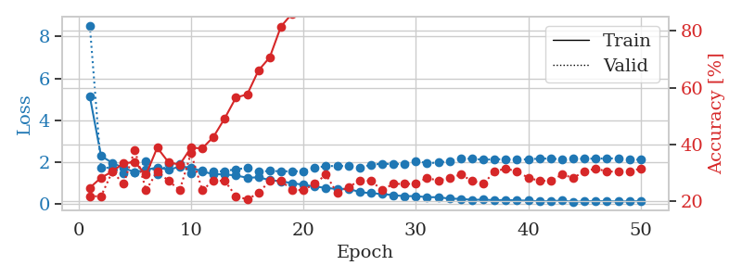
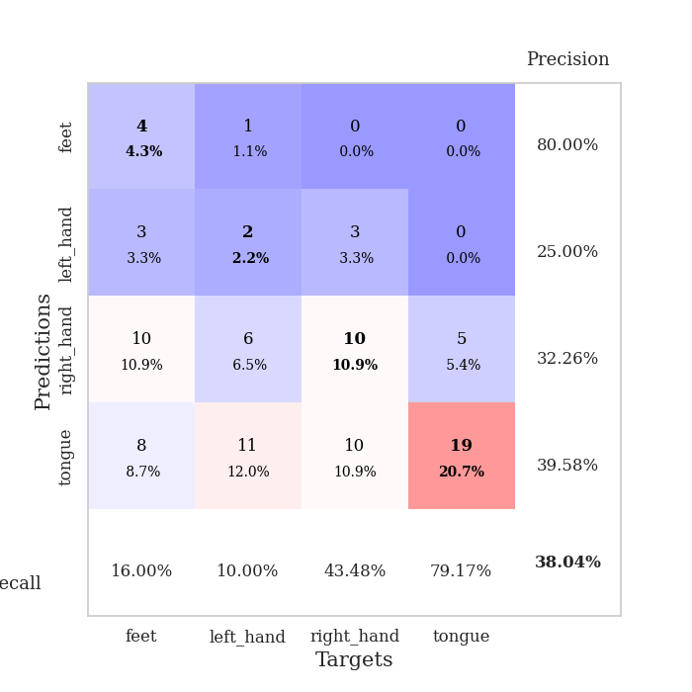
train_loss | valid_loss | train_accuracy | valid_accuracy | dur | train_misclass | valid_misclass
5.1378961283 | 8.5237892192 | 0.2472826087 | 0.21739130435 | 0.11015558243 | 24.72826087 | 21.739130435
2.2970068144 | 1.7182595678 | 0.28260869565 | 0.21739130435 | 0.11002779007 | 28.260869565 | 21.739130435
1.9696090014 | 1.7521573253 | 0.30434782609 | 0.30434782609 | 0.11320447922 | 30.434782609 | 30.434782609
1.7177354771 | 1.4585361066 | 0.33423913043 | 0.26086956522 | 0.10570263863 | 33.423913043 | 26.086956522
1.5321826209 | 1.4999948585 | 0.33695652174 | 0.38043478261 | 0.10211992264 | 33.695652174 | 38.043478261
1.6325211007 | 2.0531522606 | 0.29347826087 | 0.23913043478 | 0.10511565208 | 29.347826087 | 23.913043478
1.7505932062 | 1.4354716332 | 0.38858695652 | 0.30434782609 | 0.10431098938 | 38.858695652 | 30.434782609
1.6414868676 | 1.9224635103 | 0.33695652174 | 0.27173913043 | 0.10617399216 | 33.695652174 | 27.173913043
1.7852271692 | 1.9062037779 | 0.32880434783 | 0.23913043478 | 0.1074347496 | 32.880434783 | 23.913043478
1.7494977453 | 1.4900579919 | 0.38858695652 | 0.36956521739 | 0.10237765312 | 38.858695652 | 36.956521739
1.5526129629 | 1.5992380588 | 0.38586956522 | 0.23913043478 | 0.10178756714 | 38.586956522 | 23.913043478
1.4303247618 | 1.5564444169 | 0.42663043478 | 0.27173913043 | 0.1081533432 | 42.663043478 | 27.173913043
1.4159174328 | 1.5717341641 | 0.49184782609 | 0.27173913043 | 0.10700082779 | 49.184782609 | 27.173913043
1.3662255225 | 1.6671653364 | 0.5652173913 | 0.21739130435 | 0.10694861412 | 56.52173913 | 21.739130435
1.2563808327 | 1.7154603471 | 0.57608695652 | 0.20652173913 | 0.10290312767 | 57.608695652 | 20.652173913
1.2784683238 | 1.5365440794 | 0.66032608696 | 0.22826086957 | 0.11006093025 | 66.032608696 | 22.826086957
1.1493473442 | 1.5859276886 | 0.70652173913 | 0.27173913043 | 0.1070098877 | 70.652173913 | 27.173913043
1.0825562218 | 1.5633227877 | 0.8152173913 | 0.27173913043 | 0.10492873192 | 81.52173913 | 27.173913043
1.0007839747 | 1.5696423935 | 0.86141304348 | 0.23913043478 | 0.10484242439 | 86.141304348 | 23.913043478
0.92076852011 | 1.5618025686 | 0.91032608696 | 0.23913043478 | 0.10562586784 | 91.032608696 | 23.913043478
0.8376369269 | 1.735256449 | 0.88586956522 | 0.26086956522 | 0.10735797882 | 88.586956522 | 26.086956522
0.7755198686 | 1.8099676474 | 0.90489130435 | 0.29347826087 | 0.10619902611 | 90.489130435 | 29.347826087
0.71687011486 | 1.8231102435 | 0.95108695652 | 0.22826086957 | 0.11149644852 | 95.108695652 | 22.826086957
0.73464058664 | 1.8092328984 | 0.97554347826 | 0.25 | 0.11079573631 | 97.554347826 | 25
0.57270891381 | 1.7353879213 | 0.97010869565 | 0.27173913043 | 0.1123957634 | 97.010869565 | 27.173913043
0.51927897788 | 1.8738001119 | 0.97010869565 | 0.27173913043 | 0.10505723953 | 97.010869565 | 27.173913043
0.48138549211 | 1.9322340799 | 0.9972826087 | 0.23913043478 | 0.11071324348 | 99.72826087 | 23.913043478
0.42643740838 | 1.9037727066 | 0.99456521739 | 0.26086956522 | 0.11190080643 | 99.456521739 | 26.086956522
0.37672347349 | 1.9212794304 | 1 | 0.26086956522 | 0.10449266434 | 100 | 26.086956522
0.38184321056 | 2.0647028374 | 1 | 0.26086956522 | 0.10408830643 | 100 | 26.086956522
0.32780246242 | 1.95435128 | 1 | 0.28260869565 | 0.10326075554 | 100 | 28.260869565
0.33049167174 | 1.9811732251 | 1 | 0.27173913043 | 0.10300517082 | 100 | 27.173913043
0.2597414822 | 2.0510922152 | 1 | 0.28260869565 | 0.10486316681 | 100 | 28.260869565
0.25050029321 | 2.1706893703 | 1 | 0.29347826087 | 0.11213541031 | 100 | 29.347826087
0.2010505559 | 2.165408715 | 1 | 0.27173913043 | 0.10139322281 | 100 | 27.173913043
0.21406044098 | 2.1173142817 | 1 | 0.26086956522 | 0.10761618614 | 100 | 26.086956522
0.18307411023 | 2.1397549225 | 1 | 0.30434782609 | 0.10895824432 | 100 | 30.434782609
0.19671024253 | 2.1405889625 | 1 | 0.3152173913 | 0.1119287014 | 100 | 31.52173913
0.1730876599 | 2.1268839421 | 1 | 0.30434782609 | 0.1092774868 | 100 | 30.434782609
0.16849094662 | 2.1361422487 | 1 | 0.28260869565 | 0.10805392265 | 100 | 28.260869565
0.12562944449 | 2.1743717142 | 1 | 0.27173913043 | 0.10715079308 | 100 | 27.173913043
0.14420360489 | 2.1677125641 | 1 | 0.27173913043 | 0.10319685936 | 100 | 27.173913043
0.16584169654 | 2.1419231425 | 1 | 0.29347826087 | 0.10905075073 | 100 | 29.347826087
0.1101436602 | 2.1649295817 | 1 | 0.28260869565 | 0.11188602448 | 100 | 28.260869565
0.13011936503 | 2.1595112189 | 1 | 0.30434782609 | 0.10891318321 | 100 | 30.434782609
0.14731123606 | 2.174877628 | 1 | 0.3152173913 | 0.1079852581 | 100 | 31.52173913
0.13924215232 | 2.171897204 | 1 | 0.30434782609 | 0.10714817047 | 100 | 30.434782609
0.12455509457 | 2.1892793282 | 1 | 0.30434782609 | 0.10899305344 | 100 | 30.434782609
0.13034518565 | 2.1188694757 | 1 | 0.30434782609 | 0.10130143166 | 100 | 30.434782609
0.14262844541 | 2.1232714031 | 1 | 0.3152173913 | 0.10390043259 | 100 | 31.52173913

Best Val accuracy is 0.3804347826086957 and Best test accuracy is 0.28448275862068967

