Sheet
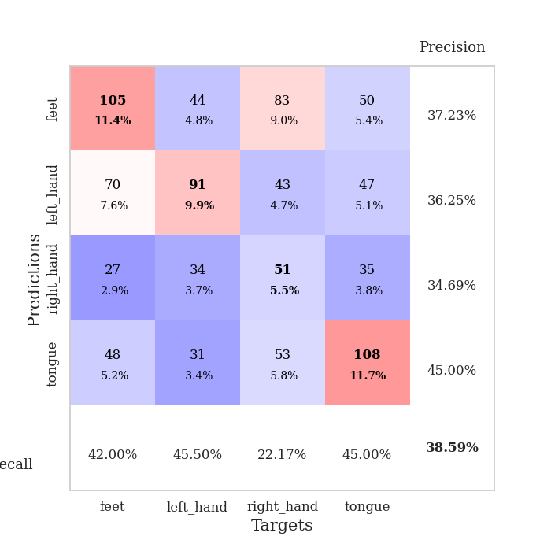
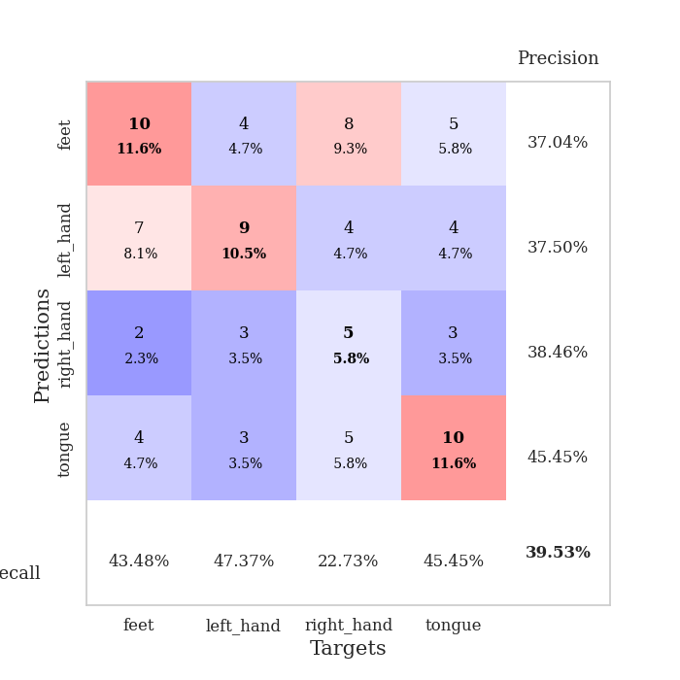
best_val_acc | best_val_los | best_test_acc
0.39130434783 | 1.6637492076 | 0.31034482759
0.40217391304 | 1.5189443205 | 0.30172413793
0.38043478261 | 1.4619144823 | 0.26724137931
0.36956521739 | 1.7063267853 | 0.20689655172
0.41304347826 | 1.6658853603 | 0.25
0.41304347826 | 1.5054249038 | 0.27586206897
0.36956521739 | 1.7508648945 | 0.29310344828
0.39130434783 | 1.7235899697 | 0.22413793103
0.35869565217 | 1.7796447484 | 0.22413793103
0.36956521739 | 1.7178161455 | 0.26724137931

Mean,std Val accuracy is 0.38586956521739124 , 0.019342533065274125 and mean, std test accuracy is 0.26206896551724135 , 0.03524071199254228

Sheet1
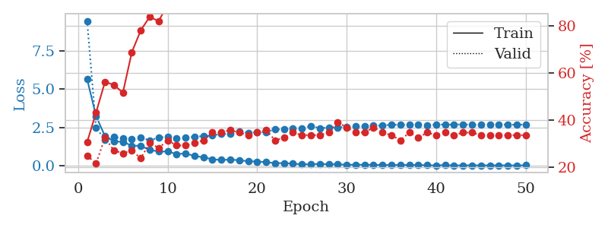
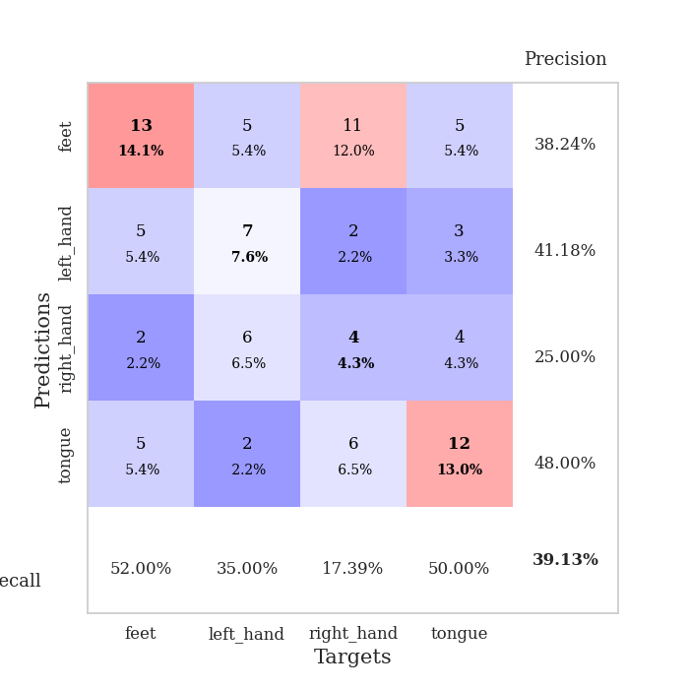
train_loss | valid_loss | train_accuracy | valid_accuracy | dur | train_misclass | valid_misclass
5.6634478465 | 9.4502161275 | 0.30706521739 | 0.25 | 0.10747432709 | 30.706521739 | 25
3.2588408512 | 2.4917083512 | 0.43206521739 | 0.21739130435 | 0.10769033432 | 43.206521739 | 21.739130435
1.9360187261 | 1.7179954674 | 0.5625 | 0.32608695652 | 0.11376142502 | 56.25 | 32.608695652
1.6108894452 | 1.88218775 | 0.54891304348 | 0.27173913043 | 0.10544085503 | 54.891304348 | 27.173913043
1.5680860929 | 1.7999095502 | 0.51630434783 | 0.26086956522 | 0.10641098022 | 51.630434783 | 26.086956522
1.3291234737 | 1.7706034391 | 0.6875 | 0.27173913043 | 0.10929083824 | 68.75 | 27.173913043
1.3112395432 | 1.8668557561 | 0.77989130435 | 0.23913043478 | 0.10519146919 | 77.989130435 | 23.913043478
1.0453708716 | 1.6637492076 | 0.83695652174 | 0.30434782609 | 0.10968160629 | 83.695652174 | 30.434782609
0.95123906239 | 1.8617569986 | 0.81793478261 | 0.28260869565 | 0.10454630852 | 81.793478261 | 28.260869565
0.94193559626 | 1.8898092975 | 0.89130434783 | 0.3152173913 | 0.10646510124 | 89.130434783 | 31.52173913
0.78330202725 | 1.8051633524 | 0.94293478261 | 0.29347826087 | 0.10251069069 | 94.293478261 | 29.347826087
0.81828284004 | 1.8616798131 | 0.95380434783 | 0.29347826087 | 0.10664916039 | 95.380434783 | 29.347826087
0.65524072751 | 1.8951837809 | 0.97010869565 | 0.30434782609 | 0.10726809502 | 97.010869565 | 30.434782609
0.56834511912 | 1.9579548525 | 0.98913043478 | 0.3152173913 | 0.11668491364 | 98.913043478 | 31.52173913
0.43665611485 | 1.9944235035 | 0.9972826087 | 0.34782608696 | 0.10532999039 | 99.72826087 | 34.782608696
0.39369217663 | 2.0855670701 | 0.9972826087 | 0.34782608696 | 0.10214948654 | 99.72826087 | 34.782608696
0.42002568912 | 2.1070085712 | 1 | 0.35869565217 | 0.10916590691 | 100 | 35.869565217
0.37758020182 | 2.234238241 | 1 | 0.34782608696 | 0.10377550125 | 100 | 34.782608696
0.31293480033 | 2.1735187199 | 1 | 0.33695652174 | 0.11210632324 | 100 | 33.695652174
0.29370940995 | 2.2156292459 | 1 | 0.34782608696 | 0.10546255112 | 100 | 34.782608696
0.25052493778 | 2.2087432716 | 1 | 0.35869565217 | 0.10208821297 | 100 | 35.869565217
0.18771256409 | 2.3914976224 | 1 | 0.3152173913 | 0.10159611702 | 100 | 31.52173913
0.18577728161 | 2.3805235262 | 1 | 0.32608695652 | 0.10789632797 | 100 | 32.608695652
0.16193946872 | 2.4409497199 | 1 | 0.34782608696 | 0.10958409309 | 100 | 34.782608696
0.099886115478 | 2.4594798399 | 1 | 0.33695652174 | 0.10804033279 | 100 | 33.695652174
0.12066930014 | 2.5925137271 | 1 | 0.33695652174 | 0.11002635956 | 100 | 33.695652174
0.13759325356 | 2.4697253497 | 1 | 0.33695652174 | 0.10447072983 | 100 | 33.695652174
0.11738696318 | 2.4949024968 | 1 | 0.34782608696 | 0.11113357544 | 100 | 34.782608696
0.11309498346 | 2.5101699 | 1 | 0.39130434783 | 0.1057305336 | 100 | 39.130434783
0.083147091953 | 2.5542949697 | 1 | 0.36956521739 | 0.10332798958 | 100 | 36.956521739
0.087894144023 | 2.5892232916 | 1 | 0.34782608696 | 0.10730814934 | 100 | 34.782608696
0.083941515333 | 2.5812022686 | 1 | 0.34782608696 | 0.10491156578 | 100 | 34.782608696
0.080646233269 | 2.642907692 | 1 | 0.36956521739 | 0.10868048668 | 100 | 36.956521739
0.063180870903 | 2.6209325687 | 1 | 0.34782608696 | 0.099405050278 | 100 | 34.782608696
0.071026435426 | 2.7037576178 | 1 | 0.33695652174 | 0.099354505539 | 100 | 33.695652174
0.062527754466 | 2.6724112759 | 1 | 0.3152173913 | 0.097482919693 | 100 | 31.52173913
0.068894634793 | 2.6856675459 | 1 | 0.34782608696 | 0.10980415344 | 100 | 34.782608696
0.071840955795 | 2.6952603174 | 1 | 0.32608695652 | 0.10665869713 | 100 | 32.608695652
0.049024406942 | 2.6452185589 | 1 | 0.34782608696 | 0.1129629612 | 100 | 34.782608696
0.041560416596 | 2.6875723238 | 1 | 0.33695652174 | 0.10015749931 | 100 | 33.695652174
0.061173480328 | 2.7068498757 | 1 | 0.34782608696 | 0.10355997086 | 100 | 34.782608696
0.035401981769 | 2.6909522492 | 1 | 0.33695652174 | 0.10174322128 | 100 | 33.695652174
0.046862686093 | 2.7195238549 | 1 | 0.34782608696 | 0.10368561745 | 100 | 34.782608696
0.047046340273 | 2.6866467103 | 1 | 0.34782608696 | 0.11272168159 | 100 | 34.782608696
0.040913977863 | 2.6840143929 | 1 | 0.33695652174 | 0.10157847404 | 100 | 33.695652174
0.041862003971 | 2.6781692401 | 1 | 0.33695652174 | 0.10312056541 | 100 | 33.695652174
0.044663499352 | 2.7066614628 | 1 | 0.33695652174 | 0.10680675507 | 100 | 33.695652174
0.041865367868 | 2.7010249884 | 1 | 0.33695652174 | 0.10527610779 | 100 | 33.695652174
0.036766239158 | 2.6830206436 | 1 | 0.33695652174 | 0.11140632629 | 100 | 33.695652174
0.048005569807 | 2.7055500383 | 1 | 0.33695652174 | 0.10351395607 | 100 | 33.695652174

Best Val accuracy is 0.391304347826087 and Best test accuracy is 0.3103448275862069

Sheet2
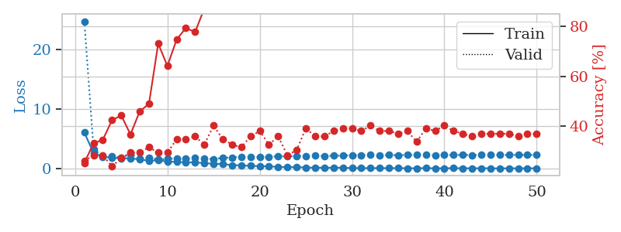
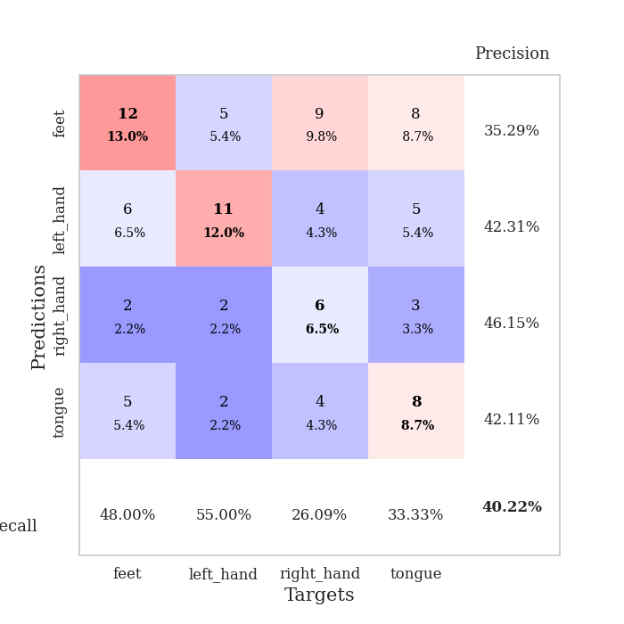
train_loss | valid_loss | train_accuracy | valid_accuracy | dur | train_misclass | valid_misclass
6.0526881944 | 24.700383642 | 0.2527173913 | 0.26086956522 | 0.11035323143 | 25.27173913 | 26.086956522
2.6053831214 | 3.2757689124 | 0.33152173913 | 0.28260869565 | 0.10895872116 | 33.152173913 | 28.260869565
1.9631454582 | 2.124314531 | 0.34510869565 | 0.28260869565 | 0.10460519791 | 34.510869565 | 28.260869565
1.813689377 | 2.0908081324 | 0.42391304348 | 0.23913043478 | 0.10694050789 | 42.391304348 | 23.913043478
1.7000183204 | 1.8398398835 | 0.44293478261 | 0.27173913043 | 0.10507011414 | 44.293478261 | 27.173913043
1.7175047294 | 2.3990346038 | 0.36684782609 | 0.29347826087 | 0.095557451248 | 36.684782609 | 29.347826087
1.5489167286 | 1.7427374436 | 0.45923913043 | 0.29347826087 | 0.09890460968 | 45.923913043 | 29.347826087
1.303493067 | 1.7698483156 | 0.48913043478 | 0.3152173913 | 0.095749855042 | 48.913043478 | 31.52173913
1.3931184178 | 1.5189443205 | 0.73097826087 | 0.29347826087 | 0.096181154251 | 73.097826087 | 29.347826087
1.1599118373 | 1.6227647014 | 0.64130434783 | 0.29347826087 | 0.099638938904 | 64.130434783 | 29.347826087
1.1477181419 | 1.6983880478 | 0.7472826087 | 0.34782608696 | 0.099323987961 | 74.72826087 | 34.782608696
1.0302463744 | 1.6382944895 | 0.79347826087 | 0.34782608696 | 0.099251747131 | 79.347826087 | 34.782608696
1.0423154857 | 1.7623233277 | 0.77717391304 | 0.35869565217 | 0.095623016357 | 77.717391304 | 35.869565217
0.91508007309 | 1.6788619083 | 0.8722826087 | 0.32608695652 | 0.096500873566 | 87.22826087 | 32.608695652
0.80821355141 | 1.6089796035 | 0.88586956522 | 0.40217391304 | 0.10270023346 | 88.586956522 | 40.217391304
0.75891308551 | 1.798910763 | 0.96739130435 | 0.34782608696 | 0.098841905594 | 96.739130435 | 34.782608696
0.57945858007 | 1.873915693 | 0.9402173913 | 0.32608695652 | 0.095752477646 | 94.02173913 | 32.608695652
0.53286529948 | 1.9645440371 | 0.98097826087 | 0.3152173913 | 0.099838733673 | 98.097826087 | 31.52173913
0.46142485219 | 1.8915061225 | 0.99456521739 | 0.35869565217 | 0.10272121429 | 99.456521739 | 35.869565217
0.41005702835 | 1.9025455869 | 0.9972826087 | 0.38043478261 | 0.099133491516 | 99.72826087 | 38.043478261
0.35599581314 | 1.9567278053 | 0.98913043478 | 0.32608695652 | 0.099148988724 | 98.913043478 | 32.608695652
0.29763861324 | 2.0759138335 | 1 | 0.35869565217 | 0.09555888176 | 100 | 35.869565217
0.23198530208 | 2.0418024581 | 1 | 0.28260869565 | 0.09552192688 | 100 | 28.260869565
0.25734109545 | 2.0920280322 | 1 | 0.30434782609 | 0.095864534378 | 100 | 30.434782609
0.17996164589 | 2.1246655402 | 1 | 0.39130434783 | 0.099866628647 | 100 | 39.130434783
0.15868052532 | 2.1577480669 | 1 | 0.35869565217 | 0.095834732056 | 100 | 35.869565217
0.14327731129 | 2.1220825962 | 1 | 0.35869565217 | 0.095799207687 | 100 | 35.869565217
0.15361195673 | 2.1477386226 | 1 | 0.38043478261 | 0.095887184143 | 100 | 38.043478261
0.14399151877 | 2.1718792708 | 1 | 0.39130434783 | 0.095631122589 | 100 | 39.130434783
0.083707045197 | 2.2335093747 | 1 | 0.39130434783 | 0.095720767975 | 100 | 39.130434783
0.079888376934 | 2.1978935988 | 1 | 0.38043478261 | 0.10458898544 | 100 | 38.043478261
0.070163588971 | 2.3295296379 | 1 | 0.40217391304 | 0.10334610939 | 100 | 40.217391304
0.073803008008 | 2.2078730334 | 1 | 0.38043478261 | 0.099190235138 | 100 | 38.043478261
0.069076658672 | 2.2716402904 | 1 | 0.38043478261 | 0.095719814301 | 100 | 38.043478261
0.076940634976 | 2.2449661027 | 1 | 0.36956521739 | 0.095699071884 | 100 | 36.956521739
0.051830089368 | 2.2699034318 | 1 | 0.38043478261 | 0.095780611038 | 100 | 38.043478261
0.053500085988 | 2.2676846048 | 1 | 0.33695652174 | 0.095707416534 | 100 | 33.695652174
0.074119084515 | 2.2906511659 | 1 | 0.39130434783 | 0.10673451424 | 100 | 39.130434783
0.048177156759 | 2.2431508769 | 1 | 0.38043478261 | 0.09917140007 | 100 | 38.043478261
0.050249719952 | 2.2717247009 | 1 | 0.40217391304 | 0.095887899399 | 100 | 40.217391304
0.065195880223 | 2.2671519362 | 1 | 0.38043478261 | 0.095846891403 | 100 | 38.043478261
0.056301830377 | 2.2790379421 | 1 | 0.36956521739 | 0.099203586578 | 100 | 36.956521739
0.044952910839 | 2.2585928025 | 1 | 0.35869565217 | 0.099586725235 | 100 | 35.869565217
0.05318443056 | 2.304598943 | 1 | 0.36956521739 | 0.096017599106 | 100 | 36.956521739
0.046713631114 | 2.297478935 | 1 | 0.36956521739 | 0.10688090324 | 100 | 36.956521739
0.030828826291 | 2.2907398784 | 1 | 0.36956521739 | 0.095639944077 | 100 | 36.956521739
0.05024069576 | 2.280004491 | 1 | 0.36956521739 | 0.095901250839 | 100 | 36.956521739
0.043507554447 | 2.2927193849 | 1 | 0.35869565217 | 0.098784446716 | 100 | 35.869565217
0.043586742416 | 2.2851537725 | 1 | 0.36956521739 | 0.095784425735 | 100 | 36.956521739
0.044510681749 | 2.2901049593 | 1 | 0.36956521739 | 0.09654545784 | 100 | 36.956521739

Best Val accuracy is 0.40217391304347827 and Best test accuracy is 0.3017241379310345

Sheet3
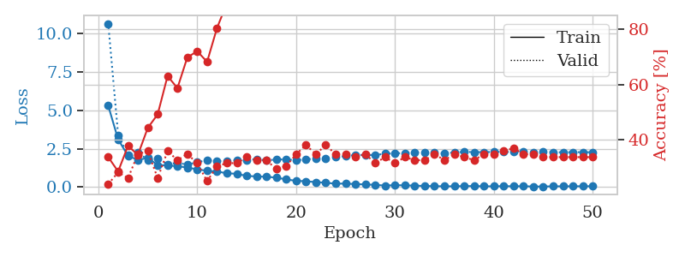
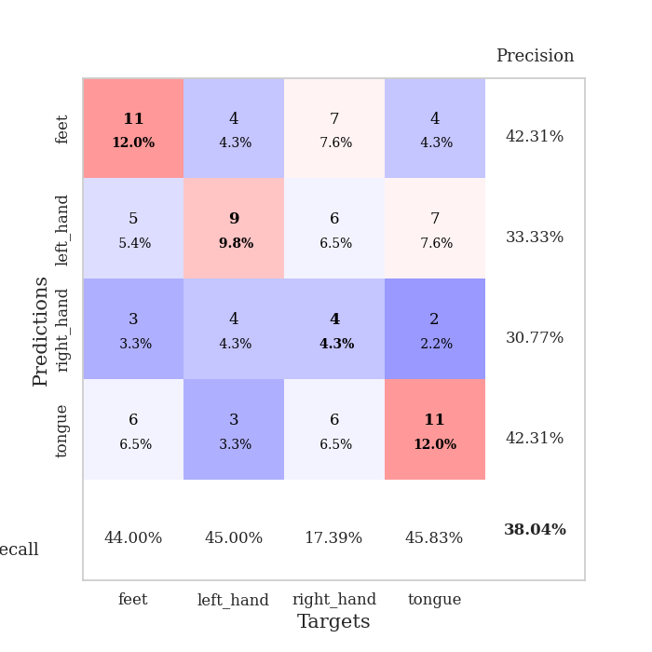
train_loss | valid_loss | train_accuracy | valid_accuracy | dur | train_misclass | valid_misclass
5.3023966914 | 10.652829543 | 0.33695652174 | 0.23913043478 | 0.097414493561 | 33.695652174 | 23.913043478
3.1097572316 | 3.396737985 | 0.28532608696 | 0.28260869565 | 0.09570813179 | 28.532608696 | 28.260869565
2.0478032413 | 2.0734561112 | 0.3777173913 | 0.26086956522 | 0.098376274109 | 37.77173913 | 26.086956522
1.7658769048 | 2.2741580113 | 0.34510869565 | 0.34782608696 | 0.09530878067 | 34.510869565 | 34.782608696
1.9104701384 | 1.7654678925 | 0.44293478261 | 0.35869565217 | 0.095392942429 | 44.293478261 | 35.869565217
1.4423972135 | 1.8782022207 | 0.49184782609 | 0.26086956522 | 0.095769882202 | 49.184782609 | 26.086956522
1.4123207927 | 1.4815382335 | 0.63043478261 | 0.35869565217 | 0.095623970032 | 63.043478261 | 35.869565217
1.3639444268 | 1.5891280589 | 0.58695652174 | 0.32608695652 | 0.095590591431 | 58.695652174 | 32.608695652
1.278907071 | 1.4619144823 | 0.69836956522 | 0.34782608696 | 0.095622777939 | 69.836956522 | 34.782608696
1.1583675146 | 1.6230507001 | 0.72010869565 | 0.3152173913 | 0.09549665451 | 72.010869565 | 31.52173913
1.0657933406 | 1.7518500245 | 0.68206521739 | 0.25 | 0.095389842987 | 68.206521739 | 25
1.0149238576 | 1.7164136534 | 0.80434782609 | 0.30434782609 | 0.095476388931 | 80.434782609 | 30.434782609
0.90440090325 | 1.6895892309 | 0.89402173913 | 0.3152173913 | 0.095693349838 | 89.402173913 | 31.52173913
0.86840854909 | 1.7529477347 | 0.89130434783 | 0.3152173913 | 0.095544338226 | 89.130434783 | 31.52173913
0.72960329056 | 1.7567814744 | 0.92663043478 | 0.33695652174 | 0.09920835495 | 92.663043478 | 33.695652174
0.69915362545 | 1.830463482 | 0.9375 | 0.32608695652 | 0.098685264587 | 93.75 | 32.608695652
0.6767219629 | 1.7376232251 | 0.97826086957 | 0.32608695652 | 0.095642089844 | 97.826086957 | 32.608695652
0.62009275867 | 1.8080530063 | 0.96467391304 | 0.29347826087 | 0.10264444351 | 96.467391304 | 29.347826087
0.50385049633 | 1.8010621175 | 0.99184782609 | 0.30434782609 | 0.09543800354 | 99.184782609 | 30.434782609
0.41090220537 | 1.7556064233 | 0.99456521739 | 0.34782608696 | 0.095468759537 | 99.456521739 | 34.782608696
0.38332261016 | 1.8110654147 | 0.99456521739 | 0.38043478261 | 0.095503568649 | 99.456521739 | 38.043478261
0.32845429234 | 1.8566191611 | 1 | 0.34782608696 | 0.095893144608 | 100 | 34.782608696
0.28775806628 | 1.8459902639 | 1 | 0.38043478261 | 0.099511623383 | 100 | 38.043478261
0.22444679556 | 1.9580077088 | 0.9972826087 | 0.34782608696 | 0.10946559906 | 99.72826087 | 34.782608696
0.23365274558 | 2.012644747 | 1 | 0.34782608696 | 0.10936832428 | 100 | 34.782608696
0.19855429912 | 2.0960920272 | 1 | 0.33695652174 | 0.10471606255 | 100 | 33.695652174
0.17593497362 | 2.1014031846 | 1 | 0.34782608696 | 0.10348320007 | 100 | 34.782608696
0.14892126425 | 2.0857101005 | 1 | 0.3152173913 | 0.10265183449 | 100 | 31.52173913
0.102016563 | 2.1783358118 | 1 | 0.33695652174 | 0.1051504612 | 100 | 33.695652174
0.12898485654 | 2.2043137032 | 1 | 0.3152173913 | 0.10995459557 | 100 | 31.52173913
0.11586894565 | 2.2187603246 | 1 | 0.33695652174 | 0.10694169998 | 100 | 33.695652174
0.099185153032 | 2.2523238348 | 1 | 0.32608695652 | 0.10754418373 | 100 | 32.608695652
0.077691894672 | 2.2647098769 | 1 | 0.32608695652 | 0.10655617714 | 100 | 32.608695652
0.062595847994 | 2.2323501317 | 1 | 0.34782608696 | 0.10643410683 | 100 | 34.782608696
0.055317949585 | 2.2045721697 | 1 | 0.32608695652 | 0.10643577576 | 100 | 32.608695652
0.054021859339 | 2.2577398445 | 1 | 0.34782608696 | 0.10834145546 | 100 | 34.782608696
0.068434244913 | 2.2986213539 | 1 | 0.33695652174 | 0.10903573036 | 100 | 33.695652174
0.06935903106 | 2.2799301355 | 1 | 0.32608695652 | 0.10410165787 | 100 | 32.608695652
0.055745814097 | 2.282185938 | 1 | 0.34782608696 | 0.10816597939 | 100 | 34.782608696
0.053994597786 | 2.2921563957 | 1 | 0.34782608696 | 0.10690546036 | 100 | 34.782608696
0.065253614408 | 2.2959172104 | 1 | 0.35869565217 | 0.10807538033 | 100 | 35.869565217
0.05480540066 | 2.2852594645 | 1 | 0.36956521739 | 0.10677027702 | 100 | 36.956521739
0.061996652502 | 2.2957599163 | 1 | 0.34782608696 | 0.10356760025 | 100 | 34.782608696
0.039710961444 | 2.2786752763 | 1 | 0.34782608696 | 0.10652446747 | 100 | 34.782608696
0.041863788648 | 2.2874870404 | 1 | 0.33695652174 | 0.10850000381 | 100 | 33.695652174
0.054449968971 | 2.2836502428 | 1 | 0.33695652174 | 0.10815691948 | 100 | 33.695652174
0.053147095539 | 2.2666525737 | 1 | 0.33695652174 | 0.11281824112 | 100 | 33.695652174
0.056491301557 | 2.2805056676 | 1 | 0.33695652174 | 0.10496973991 | 100 | 33.695652174
0.05888449595 | 2.2752448476 | 1 | 0.33695652174 | 0.11072993279 | 100 | 33.695652174
0.058536469734 | 2.2767379906 | 1 | 0.33695652174 | 0.10594701767 | 100 | 33.695652174

Best Val accuracy is 0.3804347826086957 and Best test accuracy is 0.2672413793103448

Sheet4
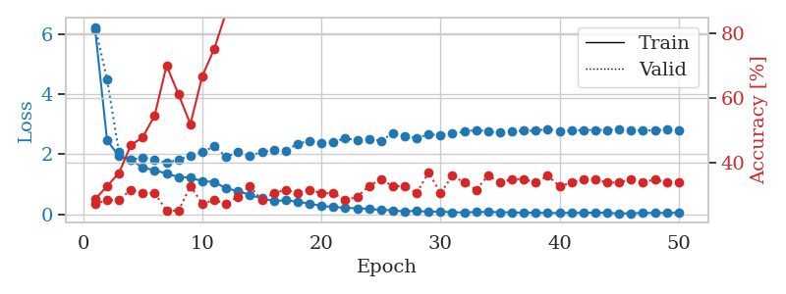
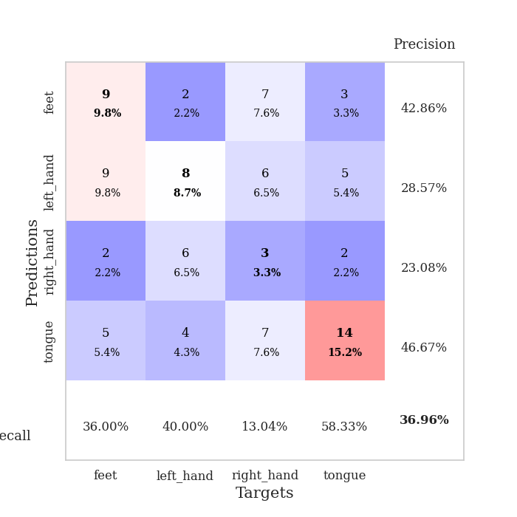
train_loss | valid_loss | train_accuracy | valid_accuracy | dur | train_misclass | valid_misclass
6.16689512 | 6.2354967698 | 0.28532608696 | 0.27173913043 | 0.10330033302 | 28.532608696 | 27.173913043
2.4682077636 | 4.5012230251 | 0.32608695652 | 0.28260869565 | 0.10513806343 | 32.608695652 | 28.260869565
1.9281489149 | 2.0642177385 | 0.36684782609 | 0.28260869565 | 0.11027812958 | 36.684782609 | 28.260869565
1.8190285434 | 1.8092079059 | 0.45380434783 | 0.3152173913 | 0.11248826981 | 45.380434783 | 31.52173913
1.5449747936 | 1.8917834655 | 0.47826086957 | 0.30434782609 | 0.1099448204 | 47.826086957 | 30.434782609
1.4682870637 | 1.8072393977 | 0.54619565217 | 0.30434782609 | 0.10729217529 | 54.619565217 | 30.434782609
1.3470666642 | 1.7063267853 | 0.70108695652 | 0.25 | 0.1079428196 | 70.108695652 | 25
1.2412879726 | 1.8202378128 | 0.61141304348 | 0.25 | 0.1114923954 | 61.141304348 | 25
1.2165211128 | 1.9475248897 | 0.51902173913 | 0.32608695652 | 0.10997653008 | 51.902173913 | 32.608695652
1.0978299587 | 2.0601935905 | 0.66847826087 | 0.27173913043 | 0.10921192169 | 66.847826087 | 27.173913043
1.0757101826 | 2.2656890413 | 0.7527173913 | 0.28260869565 | 0.10705566406 | 75.27173913 | 28.260869565
0.85910707194 | 1.9143207902 | 0.86684782609 | 0.27173913043 | 0.1034526825 | 86.684782609 | 27.173913043
0.77233023877 | 2.0702490288 | 0.89945652174 | 0.29347826087 | 0.11237049103 | 89.945652174 | 29.347826087
0.63719608861 | 1.9420933309 | 0.97010869565 | 0.32608695652 | 0.10962319374 | 97.010869565 | 32.608695652
0.52884273296 | 2.0739183219 | 0.98913043478 | 0.28260869565 | 0.10982179642 | 98.913043478 | 28.260869565
0.43770609083 | 2.1253403373 | 0.98641304348 | 0.30434782609 | 0.10803604126 | 98.641304348 | 30.434782609
0.46111136545 | 2.1223728035 | 0.98369565217 | 0.3152173913 | 0.10849380493 | 98.369565217 | 31.52173913
0.41781103611 | 2.3407181035 | 0.9972826087 | 0.30434782609 | 0.10655879974 | 99.72826087 | 30.434782609
0.34992929127 | 2.446965456 | 1 | 0.3152173913 | 0.10234284401 | 100 | 31.52173913
0.27863773056 | 2.3772483183 | 1 | 0.30434782609 | 0.10883069038 | 100 | 30.434782609
0.23648925385 | 2.3865019446 | 1 | 0.30434782609 | 0.10966873169 | 100 | 30.434782609
0.21588898871 | 2.5359988109 | 1 | 0.28260869565 | 0.10946321487 | 100 | 28.260869565
0.19487873659 | 2.4517546011 | 1 | 0.29347826087 | 0.10597038269 | 100 | 29.347826087
0.17949209087 | 2.5019752357 | 1 | 0.32608695652 | 0.10930109024 | 100 | 32.608695652
0.14397310943 | 2.446935239 | 1 | 0.34782608696 | 0.10854554176 | 100 | 34.782608696
0.13081637527 | 2.6954845242 | 1 | 0.32608695652 | 0.10741472244 | 100 | 32.608695652
0.088203911305 | 2.611214306 | 1 | 0.32608695652 | 0.10758566856 | 100 | 32.608695652
0.11709904744 | 2.5273021719 | 1 | 0.30434782609 | 0.10390615463 | 100 | 30.434782609
0.073965119765 | 2.6612374575 | 1 | 0.36956521739 | 0.10340285301 | 100 | 36.956521739
0.090036407842 | 2.6270461393 | 1 | 0.30434782609 | 0.1111497879 | 100 | 30.434782609
0.060139178096 | 2.6903500142 | 1 | 0.35869565217 | 0.11033606529 | 100 | 35.869565217
0.060709289154 | 2.7462990595 | 1 | 0.33695652174 | 0.10881233215 | 100 | 33.695652174
0.069925980723 | 2.8085523274 | 1 | 0.3152173913 | 0.1094660759 | 100 | 31.52173913
0.076707310408 | 2.7569633567 | 1 | 0.35869565217 | 0.10355472565 | 100 | 35.869565217
0.065438414195 | 2.7128463206 | 1 | 0.33695652174 | 0.11196947098 | 100 | 33.695652174
0.060718934578 | 2.7670417039 | 1 | 0.34782608696 | 0.10328984261 | 100 | 34.782608696
0.049453353793 | 2.777705006 | 1 | 0.34782608696 | 0.10651516914 | 100 | 34.782608696
0.047854260703 | 2.7827510626 | 1 | 0.33695652174 | 0.10568785667 | 100 | 33.695652174
0.039441607123 | 2.8371561921 | 1 | 0.35869565217 | 0.10858988762 | 100 | 35.869565217
0.039974862993 | 2.7701849937 | 1 | 0.32608695652 | 0.10339999199 | 100 | 32.608695652
0.046551159583 | 2.7940931113 | 1 | 0.33695652174 | 0.10436320305 | 100 | 33.695652174
0.042887551184 | 2.7938515414 | 1 | 0.34782608696 | 0.11033010483 | 100 | 34.782608696
0.053962973716 | 2.8082386307 | 1 | 0.34782608696 | 0.10916185379 | 100 | 34.782608696
0.042490270313 | 2.8031557125 | 1 | 0.33695652174 | 0.10272717476 | 100 | 33.695652174
0.026537171848 | 2.825255083 | 1 | 0.33695652174 | 0.10912847519 | 100 | 33.695652174
0.029979496425 | 2.803836014 | 1 | 0.34782608696 | 0.10717129707 | 100 | 34.782608696
0.043623494389 | 2.7883213499 | 1 | 0.33695652174 | 0.11334204674 | 100 | 33.695652174
0.041072241274 | 2.7995404783 | 1 | 0.34782608696 | 0.11527895927 | 100 | 34.782608696
0.041558260422 | 2.8098817494 | 1 | 0.33695652174 | 0.10448026657 | 100 | 33.695652174
0.047098944004 | 2.7960090845 | 1 | 0.33695652174 | 0.11016845703 | 100 | 33.695652174

Best Val accuracy is 0.3695652173913043 and Best test accuracy is 0.20689655172413793

Sheet5
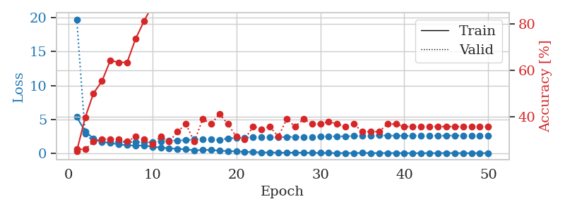
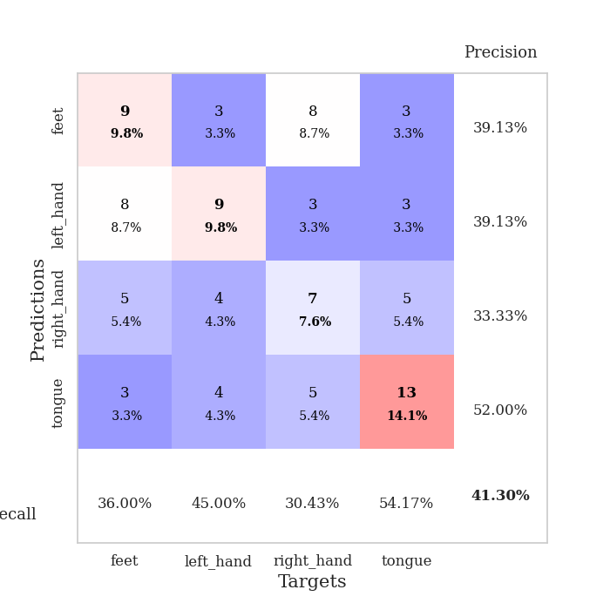
train_loss | valid_loss | train_accuracy | valid_accuracy | dur | train_misclass | valid_misclass
5.3616197731 | 19.752332439 | 0.2527173913 | 0.26086956522 | 0.10315728188 | 25.27173913 | 26.086956522
3.2473667808 | 2.8775263973 | 0.39673913043 | 0.26086956522 | 0.10563182831 | 39.673913043 | 26.086956522
2.1707072517 | 1.7503024806 | 0.5027173913 | 0.29347826087 | 0.1023812294 | 50.27173913 | 29.347826087
1.6963958792 | 1.720892222 | 0.55434782609 | 0.30434782609 | 0.10851073265 | 55.434782609 | 30.434782609
1.5354261528 | 1.6934760342 | 0.64402173913 | 0.30434782609 | 0.099463224411 | 64.402173913 | 30.434782609
1.3021912108 | 1.6794970347 | 0.63586956522 | 0.30434782609 | 0.10465359688 | 63.586956522 | 30.434782609
1.200176182 | 1.697083836 | 0.63586956522 | 0.29347826087 | 0.10465073586 | 63.586956522 | 29.347826087
1.1315212224 | 1.6780502589 | 0.73641304348 | 0.3152173913 | 0.11105656624 | 73.641304348 | 31.52173913
1.1678594377 | 1.6658853603 | 0.8125 | 0.30434782609 | 0.10358119011 | 81.25 | 30.434782609
0.9612573152 | 1.6943383528 | 0.88043478261 | 0.28260869565 | 0.1093916893 | 88.043478261 | 28.260869565
0.86055805113 | 1.7960061094 | 0.90489130435 | 0.3152173913 | 0.10366559029 | 90.489130435 | 31.52173913
0.7449514218 | 1.9104633228 | 0.875 | 0.29347826087 | 0.10525274277 | 87.5 | 29.347826087
0.6647336781 | 1.8805141138 | 0.94836956522 | 0.33695652174 | 0.1105723381 | 94.836956522 | 33.695652174
0.59171703976 | 1.9658326999 | 0.98369565217 | 0.36956521739 | 0.10586071014 | 98.369565217 | 36.956521739
0.44116409576 | 2.0274095017 | 0.98641304348 | 0.29347826087 | 0.11194372177 | 98.641304348 | 29.347826087
0.51673484626 | 2.0972709137 | 0.98369565217 | 0.39130434783 | 0.10955524445 | 98.369565217 | 39.130434783
0.50408175847 | 2.1010346309 | 0.9972826087 | 0.36956521739 | 0.11603617668 | 99.72826087 | 36.956521739
0.38683748893 | 1.9796736448 | 0.99456521739 | 0.41304347826 | 0.11588215828 | 99.456521739 | 41.304347826
0.33063891854 | 2.1983252297 | 1 | 0.36956521739 | 0.12413787842 | 100 | 36.956521739
0.29648263202 | 2.272975393 | 1 | 0.3152173913 | 0.10605835915 | 100 | 31.52173913
0.22576241973 | 2.313185018 | 1 | 0.30434782609 | 0.10882997513 | 100 | 30.434782609
0.19873394137 | 2.3475244356 | 1 | 0.35869565217 | 0.10854053497 | 100 | 35.869565217
0.1329758671 | 2.366041339 | 1 | 0.34782608696 | 0.10132002831 | 100 | 34.782608696
0.14257125184 | 2.3378278069 | 1 | 0.35869565217 | 0.11115694046 | 100 | 35.869565217
0.1080400666 | 2.3554435398 | 1 | 0.3152173913 | 0.10749340057 | 100 | 31.52173913
0.087903574433 | 2.432951015 | 1 | 0.39130434783 | 0.10255789757 | 100 | 39.130434783
0.12111876662 | 2.4191982539 | 1 | 0.35869565217 | 0.10598134995 | 100 | 35.869565217
0.092605971934 | 2.4183669194 | 1 | 0.39130434783 | 0.11202931404 | 100 | 39.130434783
0.07793689916 | 2.4207415477 | 1 | 0.36956521739 | 0.10432982445 | 100 | 36.956521739
0.062975582302 | 2.4699468405 | 1 | 0.36956521739 | 0.10595583916 | 100 | 36.956521739
0.053398779796 | 2.5079971085 | 1 | 0.38043478261 | 0.1064043045 | 100 | 38.043478261
0.044246764651 | 2.5131034644 | 1 | 0.36956521739 | 0.10736179352 | 100 | 36.956521739
0.04154578815 | 2.5147586491 | 1 | 0.35869565217 | 0.11178255081 | 100 | 35.869565217
0.051443501943 | 2.5548809197 | 1 | 0.36956521739 | 0.1102411747 | 100 | 36.956521739
0.063743670552 | 2.57346684 | 1 | 0.33695652174 | 0.10875153542 | 100 | 33.695652174
0.049243583567 | 2.5890444465 | 1 | 0.33695652174 | 0.11198830605 | 100 | 33.695652174
0.043316502084 | 2.650464939 | 1 | 0.33695652174 | 0.11052823067 | 100 | 33.695652174
0.045422323453 | 2.6184201033 | 1 | 0.36956521739 | 0.10562515259 | 100 | 36.956521739
0.044115339649 | 2.6186990531 | 1 | 0.36956521739 | 0.10949420929 | 100 | 36.956521739
0.041901204209 | 2.5791706832 | 1 | 0.35869565217 | 0.10257697105 | 100 | 35.869565217
0.032230645621 | 2.5973332654 | 1 | 0.35869565217 | 0.10615301132 | 100 | 35.869565217
0.032058961406 | 2.6206824676 | 1 | 0.35869565217 | 0.11105537415 | 100 | 35.869565217
0.041043046659 | 2.6218474119 | 1 | 0.35869565217 | 0.10306501389 | 100 | 35.869565217
0.037296036947 | 2.5909219099 | 1 | 0.35869565217 | 0.10991168022 | 100 | 35.869565217
0.048061120202 | 2.614271392 | 1 | 0.35869565217 | 0.11447811127 | 100 | 35.869565217
0.046921077265 | 2.6285495758 | 1 | 0.35869565217 | 0.098529100418 | 100 | 35.869565217
0.033195732587 | 2.625377002 | 1 | 0.35869565217 | 0.1056303978 | 100 | 35.869565217
0.0282753181 | 2.6216467463 | 1 | 0.35869565217 | 0.10280537605 | 100 | 35.869565217
0.041433123953 | 2.6175354356 | 1 | 0.35869565217 | 0.10838198662 | 100 | 35.869565217
0.032597288651 | 2.6129088609 | 1 | 0.35869565217 | 0.10804343224 | 100 | 35.869565217

Best Val accuracy is 0.41304347826086957 and Best test accuracy is 0.25

Sheet6
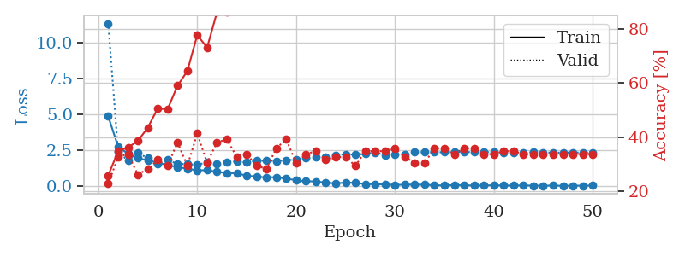
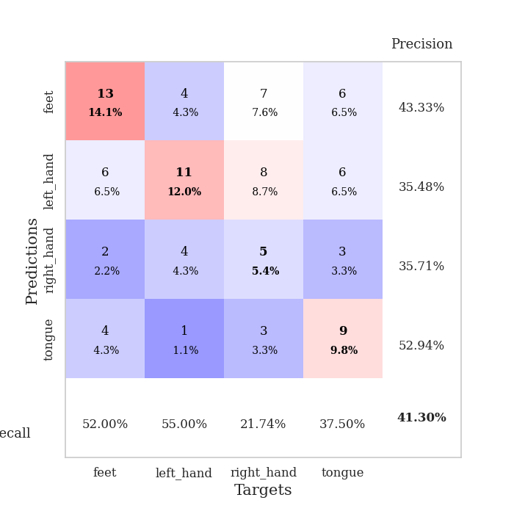
train_loss | valid_loss | train_accuracy | valid_accuracy | dur | train_misclass | valid_misclass
4.8696628861 | 11.344612122 | 0.25815217391 | 0.22826086957 | 0.10934042931 | 25.815217391 | 22.826086957
2.7589706908 | 2.368978661 | 0.34782608696 | 0.32608695652 | 0.099223613739 | 34.782608696 | 32.608695652
2.260551406 | 1.8016641555 | 0.36141304348 | 0.33695652174 | 0.10981202126 | 36.141304348 | 33.695652174
1.9570491055 | 2.335850612 | 0.38586956522 | 0.26086956522 | 0.1045627594 | 38.586956522 | 26.086956522
1.8033489974 | 1.9524434235 | 0.4347826087 | 0.28260869565 | 0.10233736038 | 43.47826087 | 28.260869565
1.6478064889 | 1.5748460915 | 0.50543478261 | 0.3152173913 | 0.10637116432 | 50.543478261 | 31.52173913
1.4754818263 | 1.8403701575 | 0.5027173913 | 0.29347826087 | 0.10435271263 | 50.27173913 | 29.347826087
1.3323581944 | 1.5589440906 | 0.58967391304 | 0.38043478261 | 0.10966348648 | 58.967391304 | 38.043478261
1.2325436421 | 1.5439374136 | 0.64402173913 | 0.29347826087 | 0.11400818825 | 64.402173913 | 29.347826087
1.1098989326 | 1.5054249038 | 0.77717391304 | 0.41304347826 | 0.10963487625 | 77.717391304 | 41.304347826
1.1286395762 | 1.6601129926 | 0.73097826087 | 0.30434782609 | 0.10801959038 | 73.097826087 | 30.434782609
1.0065707642 | 1.5580742359 | 0.86141304348 | 0.38043478261 | 0.11603355408 | 86.141304348 | 38.043478261
0.92218412783 | 1.6960645551 | 0.86141304348 | 0.39130434783 | 0.10675930977 | 86.141304348 | 39.130434783
0.91156348586 | 1.7278992922 | 0.89673913043 | 0.32608695652 | 0.11020565033 | 89.673913043 | 32.608695652
0.7332874679 | 1.6586103543 | 0.94565217391 | 0.33695652174 | 0.11166381836 | 94.565217391 | 33.695652174
0.68055645668 | 1.7877951809 | 0.97282608696 | 0.29347826087 | 0.10633063316 | 97.282608696 | 29.347826087
0.61286854614 | 1.7777206068 | 0.97282608696 | 0.28260869565 | 0.10784363747 | 97.282608696 | 28.260869565
0.64034920153 | 1.7703582204 | 0.98369565217 | 0.35869565217 | 0.11102175713 | 98.369565217 | 35.869565217
0.52766632904 | 1.8066166069 | 0.9972826087 | 0.39130434783 | 0.10913991928 | 99.72826087 | 39.130434783
0.42762384855 | 1.877128487 | 0.9972826087 | 0.30434782609 | 0.111805439 | 99.72826087 | 30.434782609
0.35464437889 | 1.9677460297 | 1 | 0.33695652174 | 0.1115295887 | 100 | 33.695652174
0.33753149406 | 2.044104545 | 0.9972826087 | 0.34782608696 | 0.10397624969 | 99.72826087 | 34.782608696
0.25338385092 | 2.0420819676 | 1 | 0.3152173913 | 0.1095867157 | 100 | 31.52173913
0.19878335232 | 2.1764650967 | 1 | 0.32608695652 | 0.10380601883 | 100 | 32.608695652
0.2619229411 | 2.2425745985 | 1 | 0.32608695652 | 0.11019253731 | 100 | 32.608695652
0.24028532045 | 2.2028214621 | 0.9972826087 | 0.29347826087 | 0.10744905472 | 99.72826087 | 29.347826087
0.15935316682 | 2.252376743 | 1 | 0.34782608696 | 0.10773181915 | 100 | 34.782608696
0.13813560537 | 2.3536378923 | 1 | 0.34782608696 | 0.11438798904 | 100 | 34.782608696
0.13781042737 | 2.1657190012 | 1 | 0.34782608696 | 0.10859894753 | 100 | 34.782608696
0.093714593707 | 2.2422044277 | 1 | 0.35869565217 | 0.10646009445 | 100 | 35.869565217
0.1138866411 | 2.1968441321 | 1 | 0.32608695652 | 0.10520601273 | 100 | 32.608695652
0.11335098622 | 2.3703136133 | 1 | 0.30434782609 | 0.10236144066 | 100 | 30.434782609
0.11008122499 | 2.3908411731 | 1 | 0.30434782609 | 0.103931427 | 100 | 30.434782609
0.070934640365 | 2.3787860248 | 1 | 0.35869565217 | 0.11431837082 | 100 | 35.869565217
0.060555616151 | 2.3701498197 | 1 | 0.35869565217 | 0.11032557487 | 100 | 35.869565217
0.084558951466 | 2.3957862647 | 1 | 0.33695652174 | 0.11188936234 | 100 | 33.695652174
0.077452996665 | 2.3971444213 | 1 | 0.35869565217 | 0.11420226097 | 100 | 35.869565217
0.051200721737 | 2.3671976276 | 1 | 0.35869565217 | 0.10661387444 | 100 | 35.869565217
0.055968806714 | 2.3890391329 | 1 | 0.33695652174 | 0.11694669724 | 100 | 33.695652174
0.072310847149 | 2.378879402 | 1 | 0.33695652174 | 0.10947370529 | 100 | 33.695652174
0.051696424332 | 2.3644811589 | 1 | 0.34782608696 | 0.11144018173 | 100 | 34.782608696
0.051153112689 | 2.341759039 | 1 | 0.34782608696 | 0.1078081131 | 100 | 34.782608696
0.062281412599 | 2.3513736829 | 1 | 0.33695652174 | 0.11072039604 | 100 | 33.695652174
0.046304313344 | 2.368628533 | 1 | 0.33695652174 | 0.10893511772 | 100 | 33.695652174
0.042850064964 | 2.3484438295 | 1 | 0.33695652174 | 0.10653495789 | 100 | 33.695652174
0.054448069762 | 2.3497271745 | 1 | 0.33695652174 | 0.1083240509 | 100 | 33.695652174
0.033363911485 | 2.34114791 | 1 | 0.33695652174 | 0.1075527668 | 100 | 33.695652174
0.044358606612 | 2.351677822 | 1 | 0.33695652174 | 0.11166143417 | 100 | 33.695652174
0.046922533125 | 2.349195895 | 1 | 0.33695652174 | 0.10286951065 | 100 | 33.695652174
0.054591117832 | 2.3646448281 | 1 | 0.33695652174 | 0.10969638824 | 100 | 33.695652174

Best Val accuracy is 0.41304347826086957 and Best test accuracy is 0.27586206896551724

Sheet7
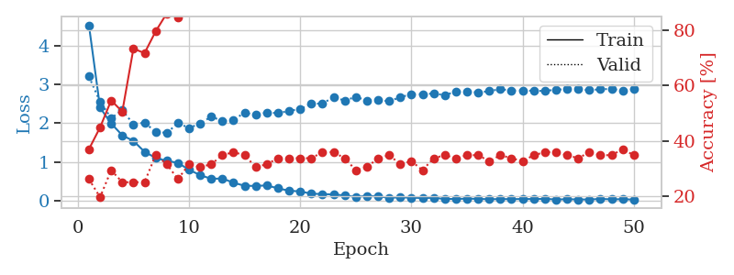
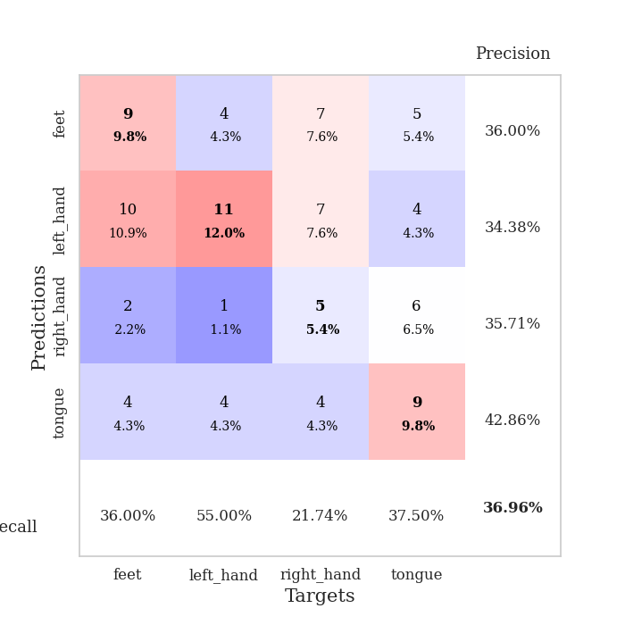
train_loss | valid_loss | train_accuracy | valid_accuracy | dur | train_misclass | valid_misclass
4.520922184 | 3.2011828526 | 0.36956521739 | 0.26086956522 | 0.10423398018 | 36.956521739 | 26.086956522
2.3990356248 | 2.5532763937 | 0.44836956522 | 0.19565217391 | 0.1069457531 | 44.836956522 | 19.565217391
1.9937376043 | 2.1318573019 | 0.54619565217 | 0.29347826087 | 0.1081507206 | 54.619565217 | 29.347826087
1.6878743535 | 2.3363775689 | 0.50543478261 | 0.25 | 0.10337138176 | 50.543478261 | 25
1.5447370799 | 1.9737381106 | 0.73369565217 | 0.25 | 0.10370135307 | 73.369565217 | 25
1.265070003 | 2.0142300129 | 0.71739130435 | 0.25 | 0.10495519638 | 71.739130435 | 25
1.1082128286 | 1.778635818 | 0.79619565217 | 0.34782608696 | 0.10998010635 | 79.619565217 | 34.782608696
1.0311512636 | 1.7508648945 | 0.86141304348 | 0.3152173913 | 0.10380268097 | 86.141304348 | 31.52173913
0.98046083554 | 2.0002623952 | 0.84782608696 | 0.26086956522 | 0.1084792614 | 84.782608696 | 26.086956522
0.80195517773 | 1.8796579009 | 0.91847826087 | 0.3152173913 | 0.10646772385 | 91.847826087 | 31.52173913
0.66492893514 | 1.9866311757 | 0.96195652174 | 0.30434782609 | 0.11188626289 | 96.195652174 | 30.434782609
0.56905051483 | 2.1718072166 | 0.93206521739 | 0.3152173913 | 0.10243368149 | 93.206521739 | 31.52173913
0.57867735365 | 2.0547525986 | 0.97826086957 | 0.34782608696 | 0.1129322052 | 97.826086957 | 34.782608696
0.46754504157 | 2.0895206099 | 0.98641304348 | 0.35869565217 | 0.11032533646 | 98.641304348 | 35.869565217
0.3913209231 | 2.2694849968 | 0.99456521739 | 0.34782608696 | 0.10691332817 | 99.456521739 | 34.782608696
0.38613964552 | 2.2148055097 | 1 | 0.30434782609 | 0.10981965065 | 100 | 30.434782609
0.40007159632 | 2.2741740372 | 0.9972826087 | 0.3152173913 | 0.10451579094 | 99.72826087 | 31.52173913
0.32374361093 | 2.2592017443 | 1 | 0.33695652174 | 0.11004209518 | 100 | 33.695652174
0.26347889816 | 2.3157645205 | 1 | 0.33695652174 | 0.11096072197 | 100 | 33.695652174
0.24542334935 | 2.3655716751 | 1 | 0.33695652174 | 0.10853481293 | 100 | 33.695652174
0.18647538028 | 2.500520219 | 1 | 0.33695652174 | 0.1080622673 | 100 | 33.695652174
0.17786889224 | 2.5066245224 | 1 | 0.35869565217 | 0.10771417618 | 100 | 35.869565217
0.16665698507 | 2.669837962 | 1 | 0.35869565217 | 0.10634040833 | 100 | 35.869565217
0.14167512419 | 2.5824605589 | 1 | 0.33695652174 | 0.1022799015 | 100 | 33.695652174
0.10355230186 | 2.6771200118 | 1 | 0.29347826087 | 0.10422444344 | 100 | 29.347826087
0.13049874034 | 2.5851376368 | 1 | 0.30434782609 | 0.10737752914 | 100 | 30.434782609
0.11448325087 | 2.5937769206 | 1 | 0.33695652174 | 0.10605359077 | 100 | 33.695652174
0.085451405009 | 2.5661512769 | 1 | 0.34782608696 | 0.11062097549 | 100 | 34.782608696
0.089862260967 | 2.6689161114 | 1 | 0.3152173913 | 0.10295462608 | 100 | 31.52173913
0.086489452495 | 2.7475648445 | 1 | 0.32608695652 | 0.11173224449 | 100 | 32.608695652
0.073394560154 | 2.747027677 | 1 | 0.29347826087 | 0.10957789421 | 100 | 29.347826087
0.083323595478 | 2.7638454541 | 1 | 0.33695652174 | 0.10537266731 | 100 | 33.695652174
0.05149368881 | 2.7222663112 | 1 | 0.34782608696 | 0.10850787163 | 100 | 34.782608696
0.051114249529 | 2.8146307883 | 1 | 0.33695652174 | 0.1089963913 | 100 | 33.695652174
0.061084925642 | 2.8206384078 | 1 | 0.34782608696 | 0.10956978798 | 100 | 34.782608696
0.054018042091 | 2.7873047227 | 1 | 0.34782608696 | 0.10875034332 | 100 | 34.782608696
0.042585670948 | 2.8260650427 | 1 | 0.32608695652 | 0.10778450966 | 100 | 32.608695652
0.049254756137 | 2.8765572672 | 1 | 0.34782608696 | 0.10476493835 | 100 | 34.782608696
0.045366634291 | 2.8404512716 | 1 | 0.33695652174 | 0.11031508446 | 100 | 33.695652174
0.050301364461 | 2.8450446025 | 1 | 0.32608695652 | 0.10905337334 | 100 | 32.608695652
0.048463650574 | 2.8329599007 | 1 | 0.34782608696 | 0.1044690609 | 100 | 34.782608696
0.053529395641 | 2.8302960914 | 1 | 0.35869565217 | 0.11432766914 | 100 | 35.869565217
0.038440239535 | 2.8642882368 | 1 | 0.35869565217 | 0.10754609108 | 100 | 35.869565217
0.043871293857 | 2.873588987 | 1 | 0.34782608696 | 0.11220479012 | 100 | 34.782608696
0.039844553088 | 2.8774748159 | 1 | 0.33695652174 | 0.10906243324 | 100 | 33.695652174
0.036612003718 | 2.8479209257 | 1 | 0.35869565217 | 0.11006379128 | 100 | 35.869565217
0.05291302081 | 2.8749601219 | 1 | 0.34782608696 | 0.1067481041 | 100 | 34.782608696
0.040730585607 | 2.8807780224 | 1 | 0.34782608696 | 0.103266716 | 100 | 34.782608696
0.045464940288 | 2.843779284 | 1 | 0.36956521739 | 0.10603523254 | 100 | 36.956521739
0.034857352305 | 2.8736352506 | 1 | 0.34782608696 | 0.10558462143 | 100 | 34.782608696

Best Val accuracy is 0.3695652173913043 and Best test accuracy is 0.29310344827586204

Sheet8
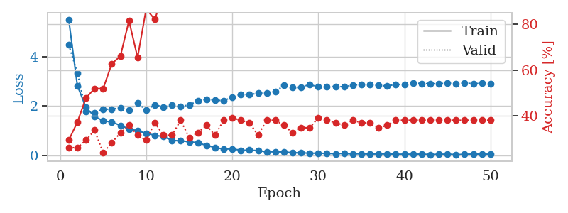
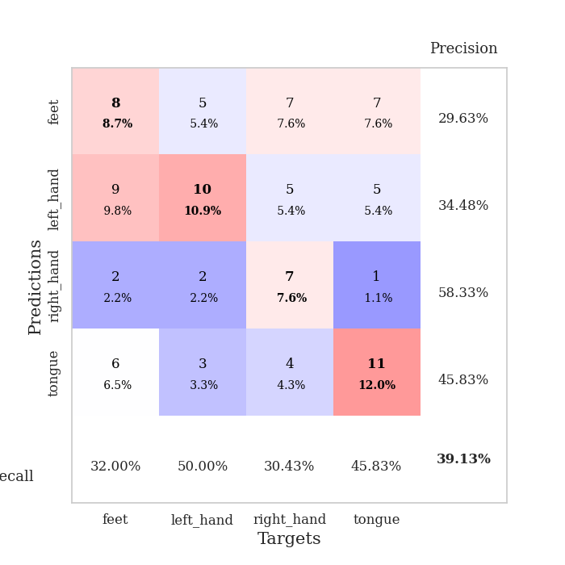
train_loss | valid_loss | train_accuracy | valid_accuracy | dur | train_misclass | valid_misclass
5.5074948228 | 4.479749493 | 0.29347826087 | 0.26086956522 | 0.10920953751 | 29.347826087 | 26.086956522
2.8253112876 | 3.3455985733 | 0.3722826087 | 0.26086956522 | 0.10340237617 | 37.22826087 | 26.086956522
1.942688745 | 1.7878988204 | 0.47826086957 | 0.29347826087 | 0.10710573196 | 47.826086957 | 29.347826087
1.5695687869 | 1.7235899697 | 0.51902173913 | 0.33695652174 | 0.10598564148 | 51.902173913 | 33.695652174
1.3969291656 | 1.8678579641 | 0.51902173913 | 0.23913043478 | 0.104170084 | 51.902173913 | 23.913043478
1.346289969 | 1.8637573149 | 0.6277173913 | 0.28260869565 | 0.10561728477 | 62.77173913 | 28.260869565
1.2107168384 | 1.9291373025 | 0.66032608696 | 0.32608695652 | 0.10144686699 | 66.032608696 | 32.608695652
1.067325675 | 1.8238266551 | 0.8152173913 | 0.35869565217 | 0.10020947456 | 81.52173913 | 35.869565217
0.99496911142 | 2.1155319369 | 0.65489130435 | 0.3152173913 | 0.10365128517 | 65.489130435 | 31.52173913
0.88634367611 | 1.825571537 | 0.86684782609 | 0.29347826087 | 0.10221123695 | 86.684782609 | 29.347826087
0.80888145644 | 2.0477585378 | 0.82065217391 | 0.36956521739 | 0.10518884659 | 82.065217391 | 36.956521739
0.75729708438 | 1.9571927838 | 0.9347826087 | 0.3152173913 | 0.10843014717 | 93.47826087 | 31.52173913
0.59931735759 | 2.0393160633 | 0.91576086957 | 0.3152173913 | 0.10974550247 | 91.576086957 | 31.52173913
0.58130599882 | 1.9717491502 | 0.97554347826 | 0.38043478261 | 0.10273194313 | 97.554347826 | 38.043478261
0.54958637318 | 2.0448184532 | 0.98097826087 | 0.30434782609 | 0.10706663132 | 98.097826087 | 30.434782609
0.50085856927 | 2.2024860486 | 0.98097826087 | 0.32608695652 | 0.10734629631 | 98.097826087 | 32.608695652
0.39834063727 | 2.2725289905 | 1 | 0.35869565217 | 0.1116335392 | 100 | 35.869565217
0.31163043788 | 2.2351880799 | 1 | 0.3152173913 | 0.11280488968 | 100 | 31.52173913
0.25035542606 | 2.2127131068 | 0.99456521739 | 0.38043478261 | 0.11222791672 | 99.456521739 | 38.043478261
0.25352870381 | 2.3627139174 | 1 | 0.39130434783 | 0.10298848152 | 100 | 39.130434783
0.20275083136 | 2.4658713237 | 1 | 0.38043478261 | 0.10266876221 | 100 | 38.043478261
0.20385750707 | 2.4558549135 | 1 | 0.36956521739 | 0.10893130302 | 100 | 36.956521739
0.18809119175 | 2.5189573765 | 1 | 0.3152173913 | 0.11023259163 | 100 | 31.52173913
0.13618311804 | 2.5300728964 | 1 | 0.38043478261 | 0.10984039307 | 100 | 38.043478261
0.13905397851 | 2.585200714 | 1 | 0.38043478261 | 0.10556530952 | 100 | 38.043478261
0.13194195359 | 2.8301667234 | 1 | 0.35869565217 | 0.11079001427 | 100 | 35.869565217
0.10310542559 | 2.745888482 | 1 | 0.32608695652 | 0.1039750576 | 100 | 32.608695652
0.096508042077 | 2.7678729348 | 1 | 0.34782608696 | 0.10180330276 | 100 | 34.782608696
0.083322055476 | 2.8647397394 | 1 | 0.34782608696 | 0.10234189034 | 100 | 34.782608696
0.077849834752 | 2.7724814415 | 1 | 0.39130434783 | 0.10416173935 | 100 | 39.130434783
0.073380955616 | 2.7907654928 | 1 | 0.38043478261 | 0.11017751694 | 100 | 38.043478261
0.058488099795 | 2.790755303 | 1 | 0.36956521739 | 0.10421919823 | 100 | 36.956521739
0.073426557948 | 2.7789028935 | 1 | 0.35869565217 | 0.11131167412 | 100 | 35.869565217
0.052444024862 | 2.8429370859 | 1 | 0.38043478261 | 0.10994958878 | 100 | 38.043478261
0.058408040796 | 2.8752066052 | 1 | 0.36956521739 | 0.10575056076 | 100 | 36.956521739
0.045488217643 | 2.8701622071 | 1 | 0.36956521739 | 0.10529470444 | 100 | 36.956521739
0.051342193199 | 2.8284300307 | 1 | 0.34782608696 | 0.11342406273 | 100 | 34.782608696
0.052983759659 | 2.8115258424 | 1 | 0.35869565217 | 0.10668468475 | 100 | 35.869565217
0.03784444914 | 2.868296136 | 1 | 0.38043478261 | 0.10941624641 | 100 | 38.043478261
0.042055972163 | 2.8793810969 | 1 | 0.38043478261 | 0.10720515251 | 100 | 38.043478261
0.039337114552 | 2.92613724 | 1 | 0.38043478261 | 0.10344982147 | 100 | 38.043478261
0.044932008053 | 2.9107389139 | 1 | 0.38043478261 | 0.10450959206 | 100 | 38.043478261
0.026842144136 | 2.8951793339 | 1 | 0.38043478261 | 0.10521936417 | 100 | 38.043478261
0.037131966254 | 2.9073468706 | 1 | 0.38043478261 | 0.11201357841 | 100 | 38.043478261
0.043299470623 | 2.9169276383 | 1 | 0.38043478261 | 0.10740733147 | 100 | 38.043478261
0.023893674552 | 2.9021004698 | 1 | 0.38043478261 | 0.11085414886 | 100 | 38.043478261
0.03630972605 | 2.9295916765 | 1 | 0.38043478261 | 0.10715413094 | 100 | 38.043478261
0.046208257989 | 2.9053937041 | 1 | 0.38043478261 | 0.10642170906 | 100 | 38.043478261
0.045350663161 | 2.9156442621 | 1 | 0.38043478261 | 0.11132836342 | 100 | 38.043478261
0.038798418179 | 2.8864135224 | 1 | 0.38043478261 | 0.10700821877 | 100 | 38.043478261

Best Val accuracy is 0.391304347826087 and Best test accuracy is 0.22413793103448276

Sheet9
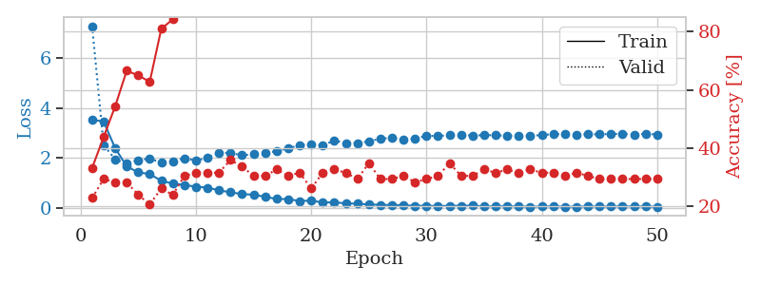
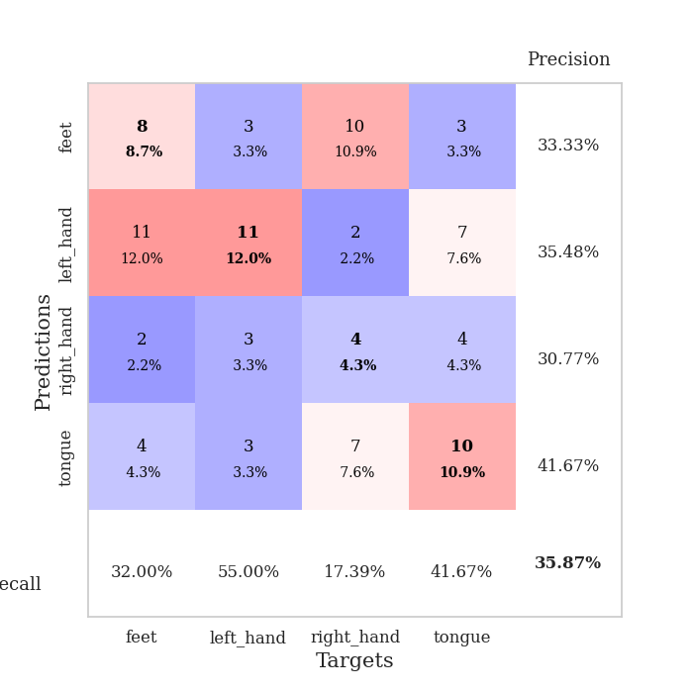
train_loss | valid_loss | train_accuracy | valid_accuracy | dur | train_misclass | valid_misclass
3.5337142322 | 7.2943598498 | 0.33152173913 | 0.22826086957 | 0.10699987411 | 33.152173913 | 22.826086957
3.4618675709 | 2.5112268614 | 0.4375 | 0.29347826087 | 0.11436104774 | 43.75 | 29.347826087
2.3879697167 | 1.9440821046 | 0.54347826087 | 0.28260869565 | 0.10515594482 | 54.347826087 | 28.260869565
1.6606028961 | 1.7796447484 | 0.66576086957 | 0.28260869565 | 0.10409164429 | 66.576086957 | 28.260869565
1.4155613599 | 1.9081284378 | 0.64945652174 | 0.23913043478 | 0.1056330204 | 64.945652174 | 23.913043478
1.3494390431 | 1.9716684196 | 0.6277173913 | 0.20652173913 | 0.11123752594 | 62.77173913 | 20.652173913
1.0782563971 | 1.8096295492 | 0.8097826087 | 0.26086956522 | 0.11028814316 | 80.97826087 | 26.086956522
0.96793125505 | 1.8659784172 | 0.84239130435 | 0.23913043478 | 0.10415172577 | 84.239130435 | 23.913043478
0.91275274494 | 1.984236173 | 0.88586956522 | 0.30434782609 | 0.10749149323 | 88.586956522 | 30.434782609
0.83997264634 | 1.8918632476 | 0.89673913043 | 0.3152173913 | 0.1067507267 | 89.673913043 | 31.52173913
0.80311196135 | 1.9966013898 | 0.96195652174 | 0.3152173913 | 0.11283588409 | 96.195652174 | 31.52173913
0.69491181037 | 2.2081878185 | 0.9402173913 | 0.3152173913 | 0.10459446907 | 94.02173913 | 31.52173913
0.61629911609 | 2.1911356449 | 0.97554347826 | 0.35869565217 | 0.11066246033 | 97.554347826 | 35.869565217
0.54404443697 | 2.1063481103 | 0.9972826087 | 0.33695652174 | 0.11640787125 | 99.72826087 | 33.695652174
0.51894941667 | 2.143488262 | 0.98641304348 | 0.30434782609 | 0.1121199131 | 98.641304348 | 30.434782609
0.4353400119 | 2.1846253665 | 0.99456521739 | 0.30434782609 | 0.10289978981 | 99.456521739 | 30.434782609
0.34882122116 | 2.2697465316 | 0.98913043478 | 0.32608695652 | 0.11156392097 | 98.913043478 | 32.608695652
0.34133523314 | 2.3850765228 | 0.99456521739 | 0.30434782609 | 0.11048841476 | 99.456521739 | 30.434782609
0.26733234622 | 2.5085142177 | 1 | 0.3152173913 | 0.10924839973 | 100 | 31.52173913
0.28045440303 | 2.5593580163 | 1 | 0.26086956522 | 0.10556840897 | 100 | 26.086956522
0.2073325288 | 2.494367558 | 1 | 0.3152173913 | 0.11283111572 | 100 | 31.52173913
0.21209292341 | 2.7037850256 | 1 | 0.32608695652 | 0.1056189537 | 100 | 32.608695652
0.17109796713 | 2.5868279105 | 1 | 0.3152173913 | 0.10745859146 | 100 | 31.52173913
0.15796437487 | 2.5914891388 | 1 | 0.29347826087 | 0.10989427567 | 100 | 29.347826087
0.12846212202 | 2.6634468203 | 1 | 0.34782608696 | 0.10595345497 | 100 | 34.782608696
0.11035391138 | 2.7718718985 | 1 | 0.29347826087 | 0.10923671722 | 100 | 29.347826087
0.10467670518 | 2.8034298938 | 1 | 0.29347826087 | 0.11032414436 | 100 | 29.347826087
0.096238819963 | 2.7258969908 | 1 | 0.30434782609 | 0.10445976257 | 100 | 30.434782609
0.073062712165 | 2.7755579119 | 1 | 0.28260869565 | 0.11183929443 | 100 | 28.260869565
0.075439459401 | 2.882341727 | 1 | 0.29347826087 | 0.10943388939 | 100 | 29.347826087
0.059816685789 | 2.8833311848 | 1 | 0.30434782609 | 0.10719966888 | 100 | 30.434782609
0.073976671161 | 2.9042062345 | 1 | 0.34782608696 | 0.099268913269 | 100 | 34.782608696
0.072385600647 | 2.9272294148 | 1 | 0.30434782609 | 0.10343146324 | 100 | 30.434782609
0.082893884538 | 2.8961817078 | 1 | 0.30434782609 | 0.10482811928 | 100 | 30.434782609
0.046675420488 | 2.9143531322 | 1 | 0.32608695652 | 0.11089110374 | 100 | 32.608695652
0.052461454483 | 2.9082528094 | 1 | 0.3152173913 | 0.11090064049 | 100 | 31.52173913
0.054837498045 | 2.8891648002 | 1 | 0.32608695652 | 0.10658311844 | 100 | 32.608695652
0.044816280148 | 2.8950725949 | 1 | 0.3152173913 | 0.10773849487 | 100 | 31.52173913
0.038427896028 | 2.895219948 | 1 | 0.32608695652 | 0.10876011848 | 100 | 32.608695652
0.041450405939 | 2.9120121313 | 1 | 0.3152173913 | 0.10818743706 | 100 | 31.52173913
0.056609993153 | 2.9575806908 | 1 | 0.3152173913 | 0.10762739182 | 100 | 31.52173913
0.032117587089 | 2.9458943139 | 1 | 0.30434782609 | 0.10865306854 | 100 | 30.434782609
0.039415238263 | 2.9347144106 | 1 | 0.3152173913 | 0.10800909996 | 100 | 31.52173913
0.045824791102 | 2.9480120721 | 1 | 0.30434782609 | 0.1086909771 | 100 | 30.434782609
0.041434812157 | 2.9453093695 | 1 | 0.29347826087 | 0.10663676262 | 100 | 29.347826087
0.040860978583 | 2.9608254951 | 1 | 0.29347826087 | 0.11535835266 | 100 | 29.347826087
0.051529953702 | 2.9650956755 | 1 | 0.29347826087 | 0.11073493958 | 100 | 29.347826087
0.044214249973 | 2.9378344805 | 1 | 0.29347826087 | 0.10506868362 | 100 | 29.347826087
0.046731274899 | 2.9672066647 | 1 | 0.29347826087 | 0.11256790161 | 100 | 29.347826087
0.030605460801 | 2.9413462203 | 1 | 0.29347826087 | 0.10904312134 | 100 | 29.347826087

Best Val accuracy is 0.358695652173913 and Best test accuracy is 0.22413793103448276

Sheet10
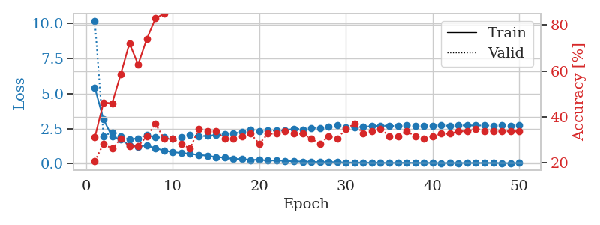
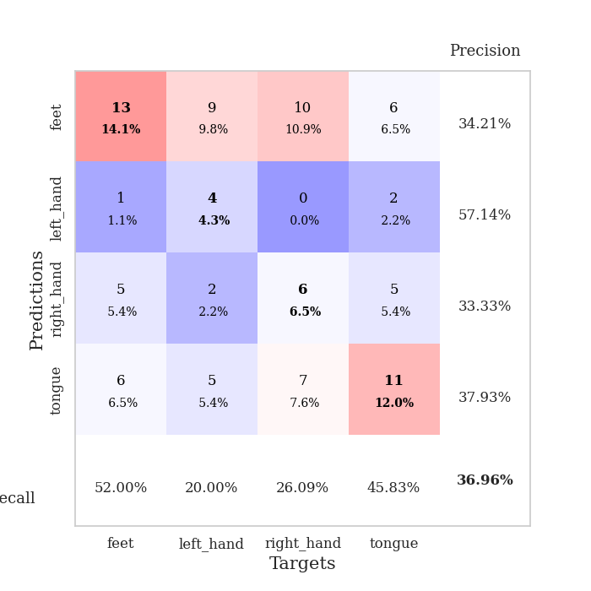
train_loss | valid_loss | train_accuracy | valid_accuracy | dur | train_misclass | valid_misclass
5.4324151744 | 10.213174488 | 0.3097826087 | 0.20652173913 | 0.10234189034 | 30.97826087 | 20.652173913
3.1627781702 | 1.9614054846 | 0.46195652174 | 0.28260869565 | 0.1079211235 | 46.195652174 | 28.260869565
1.9136766532 | 2.2308719055 | 0.45923913043 | 0.26086956522 | 0.10853505135 | 45.923913043 | 26.086956522
1.7309589904 | 1.9358879691 | 0.58695652174 | 0.30434782609 | 0.11186599731 | 58.695652174 | 30.434782609
1.2957935903 | 1.7178161455 | 0.72010869565 | 0.27173913043 | 0.1163828373 | 72.010869565 | 27.173913043
1.2135630587 | 1.8040561261 | 0.6277173913 | 0.27173913043 | 0.10738110542 | 62.77173913 | 27.173913043
1.2933288942 | 2.0356309829 | 0.73913043478 | 0.3152173913 | 0.10577058792 | 73.913043478 | 31.52173913
1.0939923888 | 1.8652214019 | 0.82880434783 | 0.36956521739 | 0.10589337349 | 82.880434783 | 36.956521739
0.92712379927 | 1.8594893735 | 0.85054347826 | 0.30434782609 | 0.11085939407 | 85.054347826 | 30.434782609
0.82089412731 | 1.7857828088 | 0.91847826087 | 0.30434782609 | 0.10515284538 | 91.847826087 | 30.434782609
0.75077691286 | 1.8997112409 | 0.95923913043 | 0.28260869565 | 0.10900473595 | 95.923913043 | 28.260869565
0.69695034105 | 2.0585018293 | 0.94836956522 | 0.26086956522 | 0.10687470436 | 94.836956522 | 26.086956522
0.61377543859 | 1.9511095285 | 0.96195652174 | 0.34782608696 | 0.10937142372 | 96.195652174 | 34.782608696
0.56813001114 | 1.9751855187 | 0.98641304348 | 0.33695652174 | 0.1049323082 | 98.641304348 | 33.695652174
0.45429059993 | 2.033453138 | 0.9972826087 | 0.33695652174 | 0.10533857346 | 99.72826087 | 33.695652174
0.43103856626 | 2.0944994014 | 1 | 0.30434782609 | 0.10451030731 | 100 | 30.434782609
0.32511588834 | 2.1583991258 | 0.99456521739 | 0.30434782609 | 0.10882878304 | 99.456521739 | 30.434782609
0.32005518545 | 2.2455046332 | 0.99456521739 | 0.3152173913 | 0.11232209206 | 99.456521739 | 31.52173913
0.2511483703 | 2.4054158771 | 0.9972826087 | 0.32608695652 | 0.10442471504 | 99.72826087 | 32.608695652
0.28055581288 | 2.3310062211 | 1 | 0.28260869565 | 0.1080725193 | 100 | 28.260869565
0.20127152441 | 2.3485371704 | 1 | 0.32608695652 | 0.1096162796 | 100 | 32.608695652
0.23319664306 | 2.3668426431 | 1 | 0.32608695652 | 0.10502839088 | 100 | 32.608695652
0.19411259209 | 2.3645527881 | 1 | 0.33695652174 | 0.10820794106 | 100 | 33.695652174
0.15885792203 | 2.4915202182 | 1 | 0.32608695652 | 0.11244392395 | 100 | 32.608695652
0.14241871667 | 2.4476434407 | 1 | 0.32608695652 | 0.1076028347 | 100 | 32.608695652
0.12535074661 | 2.5422109625 | 1 | 0.30434782609 | 0.11023020744 | 100 | 30.434782609
0.099463097589 | 2.5442249464 | 1 | 0.28260869565 | 0.1039352417 | 100 | 28.260869565
0.11221080006 | 2.6339820675 | 1 | 0.3152173913 | 0.10492181778 | 100 | 31.52173913
0.09661036171 | 2.7158474093 | 1 | 0.30434782609 | 0.10842776299 | 100 | 30.434782609
0.071851932889 | 2.6041013573 | 1 | 0.34782608696 | 0.10749387741 | 100 | 34.782608696
0.074595651063 | 2.6053307264 | 1 | 0.36956521739 | 0.10727119446 | 100 | 36.956521739
0.066439582197 | 2.6182832614 | 1 | 0.32608695652 | 0.11466741562 | 100 | 32.608695652
0.061678090902 | 2.6699031643 | 1 | 0.33695652174 | 0.10783982277 | 100 | 33.695652174
0.060820088398 | 2.6940022448 | 1 | 0.34782608696 | 0.1076669693 | 100 | 34.782608696
0.041042384773 | 2.7023446871 | 1 | 0.3152173913 | 0.11145734787 | 100 | 31.52173913
0.055074549402 | 2.6625483036 | 1 | 0.3152173913 | 0.10523200035 | 100 | 31.52173913
0.057949360136 | 2.7287029805 | 1 | 0.33695652174 | 0.10925793648 | 100 | 33.695652174
0.047774138658 | 2.7102451013 | 1 | 0.3152173913 | 0.10781240463 | 100 | 31.52173913
0.04585000079 | 2.7096995271 | 1 | 0.30434782609 | 0.11453652382 | 100 | 30.434782609
0.049520789686 | 2.6924496319 | 1 | 0.3152173913 | 0.10378265381 | 100 | 31.52173913
0.035130535779 | 2.7195914673 | 1 | 0.32608695652 | 0.1095688343 | 100 | 32.608695652
0.041544776855 | 2.6972790801 | 1 | 0.32608695652 | 0.10642004013 | 100 | 32.608695652
0.035966677065 | 2.7248742891 | 1 | 0.33695652174 | 0.10690760612 | 100 | 33.695652174
0.044880352347 | 2.7206600231 | 1 | 0.33695652174 | 0.10976147652 | 100 | 33.695652174
0.039879073875 | 2.7241835439 | 1 | 0.34782608696 | 0.10355782509 | 100 | 34.782608696
0.044653255695 | 2.7158100709 | 1 | 0.33695652174 | 0.1125562191 | 100 | 33.695652174
0.042187025143 | 2.7129009496 | 1 | 0.33695652174 | 0.10869383812 | 100 | 33.695652174
0.035351226673 | 2.733389388 | 1 | 0.33695652174 | 0.11314415932 | 100 | 33.695652174
0.024692011957 | 2.7133069609 | 1 | 0.33695652174 | 0.106528759 | 100 | 33.695652174
0.039238314752 | 2.7216853111 | 1 | 0.33695652174 | 0.11279845238 | 100 | 33.695652174

Best Val accuracy is 0.3695652173913043 and Best test accuracy is 0.2672413793103448

