Sheet
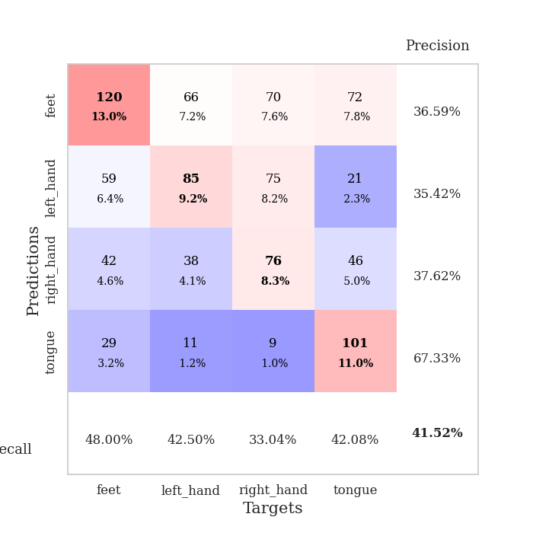
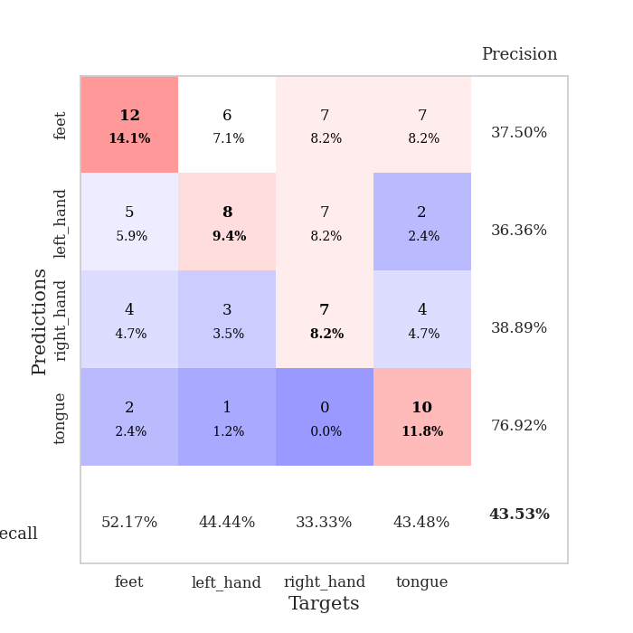
best_val_acc | best_val_los | best_test_acc
0.40217391304 | 1.4587949929 | 0.40517241379
0.38043478261 | 1.5142744158 | 0.39655172414
0.4347826087 | 1.555274699 | 0.37068965517
0.40217391304 | 1.4851028867 | 0.34482758621
0.45652173913 | 1.5198561782 | 0.58620689655
0.36956521739 | 1.3963887484 | 0.27586206897
0.41304347826 | 1.5453561078 | 0.35344827586
0.45652173913 | 1.4671463396 | 0.45689655172
0.40217391304 | 1.4731208812 | 0.40517241379
0.4347826087 | 1.5325463129 | 0.50862068966

Mean,std Val accuracy is 0.41521739130434787 , 0.02978957216100646 and mean, std test accuracy is 0.41034482758620683 , 0.08830773490692417

Sheet1
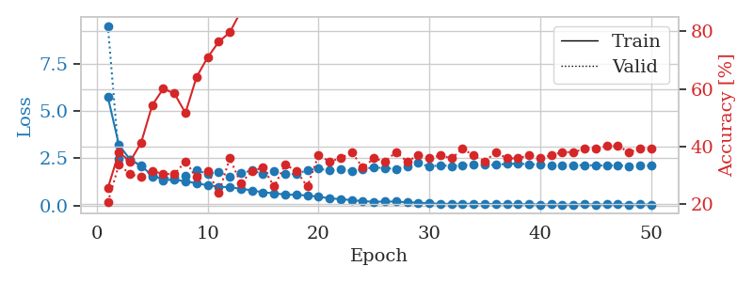
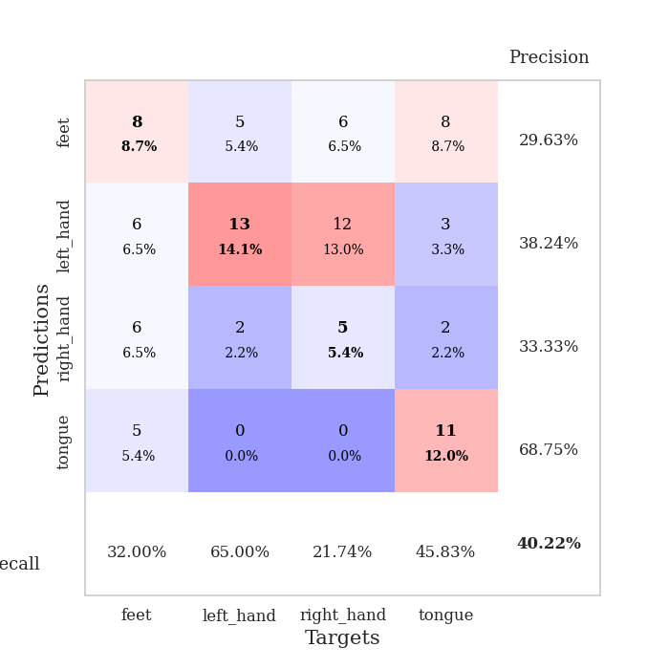
train_loss | valid_loss | train_accuracy | valid_accuracy | dur | train_misclass | valid_misclass
5.7335405246 | 9.490644372 | 0.25543478261 | 0.20652173913 | 0.11917448044 | 25.543478261 | 20.652173913
3.1930574956 | 2.4794539369 | 0.38043478261 | 0.33695652174 | 0.10539340973 | 38.043478261 | 33.695652174
2.4372327639 | 2.404786877 | 0.34782608696 | 0.30434782609 | 0.10385918617 | 34.782608696 | 30.434782609
2.0828597649 | 2.1187257041 | 0.41304347826 | 0.29347826087 | 0.10575938225 | 41.304347826 | 29.347826087
1.6022632744 | 1.5445676472 | 0.54347826087 | 0.3152173913 | 0.109770298 | 54.347826087 | 31.52173913
1.3471215497 | 1.4587949929 | 0.60054347826 | 0.30434782609 | 0.10007047653 | 60.054347826 | 30.434782609
1.3638206928 | 1.4736187717 | 0.58423913043 | 0.30434782609 | 0.10872936249 | 58.423913043 | 30.434782609
1.2799539048 | 1.5760437976 | 0.51630434783 | 0.34782608696 | 0.10445666313 | 51.630434783 | 34.782608696
1.173872914 | 1.8551933143 | 0.64130434783 | 0.29347826087 | 0.10944771767 | 64.130434783 | 29.347826087
1.0709448586 | 1.6779847819 | 0.70923913043 | 0.3152173913 | 0.10560417175 | 70.923913043 | 31.52173913
0.99889148577 | 1.7648778532 | 0.76358695652 | 0.23913043478 | 0.10826969147 | 76.358695652 | 23.913043478
0.96282760734 | 1.5418393042 | 0.79619565217 | 0.35869565217 | 0.10663175583 | 79.619565217 | 35.869565217
0.88686552773 | 1.6994900237 | 0.86956521739 | 0.27173913043 | 0.11374688148 | 86.956521739 | 27.173913043
0.80120804647 | 1.8580851762 | 0.8722826087 | 0.3152173913 | 0.09975194931 | 87.22826087 | 31.52173913
0.6946573698 | 1.6558220542 | 0.9402173913 | 0.32608695652 | 0.10716032982 | 94.02173913 | 32.608695652
0.64748780624 | 1.8084668025 | 0.97010869565 | 0.26086956522 | 0.1049861908 | 97.010869565 | 26.086956522
0.57853481951 | 1.659617989 | 0.98097826087 | 0.33695652174 | 0.10188412666 | 98.097826087 | 33.695652174
0.56435118292 | 1.6693439432 | 0.98913043478 | 0.3152173913 | 0.10641407967 | 98.913043478 | 31.52173913
0.53251936643 | 1.8615396748 | 0.99456521739 | 0.26086956522 | 0.10988903046 | 99.456521739 | 26.086956522
0.46388595065 | 1.9453422816 | 0.98913043478 | 0.36956521739 | 0.099796533585 | 98.913043478 | 36.956521739
0.38295429556 | 1.8478558374 | 0.9972826087 | 0.34782608696 | 0.10102844238 | 99.72826087 | 34.782608696
0.33473152117 | 1.9328854499 | 0.99456521739 | 0.35869565217 | 0.10577487946 | 99.456521739 | 35.869565217
0.28746785871 | 1.8308053639 | 1 | 0.38043478261 | 0.10633921623 | 100 | 38.043478261
0.22952173197 | 1.9283973912 | 1 | 0.32608695652 | 0.10273933411 | 100 | 32.608695652
0.19862359373 | 2.0159115895 | 1 | 0.35869565217 | 0.099984884262 | 100 | 35.869565217
0.2096808441 | 1.9697690736 | 1 | 0.34782608696 | 0.10950469971 | 100 | 34.782608696
0.20740156888 | 1.9419325642 | 1 | 0.38043478261 | 0.1048617363 | 100 | 38.043478261
0.17359477549 | 2.0510283449 | 1 | 0.34782608696 | 0.10271573067 | 100 | 34.782608696
0.14859295053 | 2.2504758524 | 1 | 0.36956521739 | 0.09995174408 | 100 | 36.956521739
0.11144872431 | 2.0544594163 | 1 | 0.35869565217 | 0.10513162613 | 100 | 35.869565217
0.092591514892 | 2.1306705475 | 1 | 0.36956521739 | 0.10300779343 | 100 | 36.956521739
0.08737618298 | 2.0820079679 | 1 | 0.35869565217 | 0.10610437393 | 100 | 35.869565217
0.093284500641 | 2.1128740725 | 1 | 0.39130434783 | 0.11216020584 | 100 | 39.130434783
0.085574405997 | 2.1825234268 | 1 | 0.36956521739 | 0.11417150497 | 100 | 36.956521739
0.078277708477 | 2.1458699807 | 1 | 0.34782608696 | 0.098806858063 | 100 | 34.782608696
0.084901786774 | 2.1478550745 | 1 | 0.38043478261 | 0.10880923271 | 100 | 38.043478261
0.065058180131 | 2.202232931 | 1 | 0.35869565217 | 0.10659646988 | 100 | 35.869565217
0.06461952894 | 2.2034990528 | 1 | 0.35869565217 | 0.10019421577 | 100 | 35.869565217
0.075933931476 | 2.1906314674 | 1 | 0.36956521739 | 0.10981178284 | 100 | 36.956521739
0.046085744813 | 2.1496639874 | 1 | 0.35869565217 | 0.10347628593 | 100 | 35.869565217
0.061432992027 | 2.1400457724 | 1 | 0.36956521739 | 0.10394120216 | 100 | 36.956521739
0.046637255536 | 2.1272633542 | 1 | 0.38043478261 | 0.10370993614 | 100 | 38.043478261
0.047935028925 | 2.1261294406 | 1 | 0.38043478261 | 0.10612082481 | 100 | 38.043478261
0.077654718421 | 2.1353524871 | 1 | 0.39130434783 | 0.10859704018 | 100 | 39.130434783
0.047123772335 | 2.1177580408 | 1 | 0.39130434783 | 0.10347533226 | 100 | 39.130434783
0.057931615647 | 2.1136886348 | 1 | 0.40217391304 | 0.099863529205 | 100 | 40.217391304
0.065814133895 | 2.1140385244 | 1 | 0.40217391304 | 0.10167050362 | 100 | 40.217391304
0.054564026144 | 2.0887227525 | 1 | 0.38043478261 | 0.10592746735 | 100 | 38.043478261
0.060919978656 | 2.1041259351 | 1 | 0.39130434783 | 0.099238157272 | 100 | 39.130434783
0.044516127961 | 2.1077432477 | 1 | 0.39130434783 | 0.10319495201 | 100 | 39.130434783

Best Val accuracy is 0.40217391304347827 and Best test accuracy is 0.4051724137931034

Sheet2
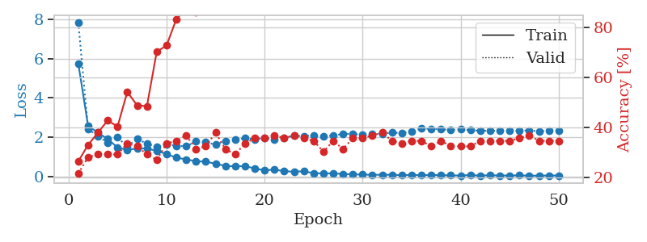
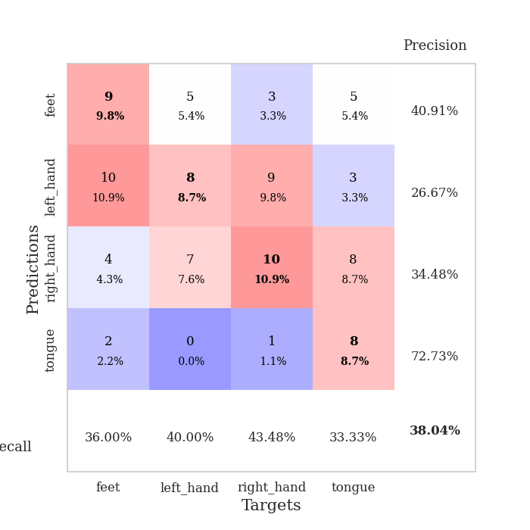
train_loss | valid_loss | train_accuracy | valid_accuracy | dur | train_misclass | valid_misclass
5.7567111513 | 7.8448779894 | 0.26630434783 | 0.21739130435 | 0.096178293228 | 26.630434783 | 21.739130435
2.5698893692 | 2.4074075948 | 0.33152173913 | 0.28260869565 | 0.095575332642 | 33.152173913 | 28.260869565
2.2342328922 | 2.0556469275 | 0.38043478261 | 0.29347826087 | 0.095005989075 | 38.043478261 | 29.347826087
1.8987361607 | 1.7108447552 | 0.42934782609 | 0.29347826087 | 0.1067943573 | 42.934782609 | 29.347826087
1.4767446829 | 1.9849513614 | 0.40489130435 | 0.29347826087 | 0.10406494141 | 40.489130435 | 29.347826087
1.3367266914 | 1.5142744158 | 0.54347826087 | 0.33695652174 | 0.10938978195 | 54.347826087 | 33.695652174
1.4306788548 | 1.9261960361 | 0.48913043478 | 0.32608695652 | 0.11013627052 | 48.913043478 | 32.608695652
1.4209053205 | 1.6532190002 | 0.48641304348 | 0.29347826087 | 0.105686903 | 48.641304348 | 29.347826087
1.3021754156 | 1.5184780152 | 0.70380434783 | 0.27173913043 | 0.11339187622 | 70.380434783 | 27.173913043
1.1355533522 | 1.6399378466 | 0.72826086957 | 0.33695652174 | 0.10711073875 | 72.826086957 | 33.695652174
0.95395695904 | 1.5644991761 | 0.83423913043 | 0.34782608696 | 0.10561800003 | 83.423913043 | 34.782608696
0.8632158948 | 1.5322910806 | 0.875 | 0.36956521739 | 0.11197900772 | 87.5 | 36.956521739
0.77249358918 | 1.7800247047 | 0.86141304348 | 0.3152173913 | 0.11231207848 | 86.141304348 | 31.52173913
0.74886018556 | 1.7517926434 | 0.92391304348 | 0.32608695652 | 0.10361504555 | 92.391304348 | 32.608695652
0.64260926 | 1.6103520134 | 0.94565217391 | 0.38043478261 | 0.10244965553 | 94.565217391 | 38.043478261
0.53015416472 | 1.7936872762 | 0.96467391304 | 0.3152173913 | 0.10799908638 | 96.467391304 | 31.52173913
0.5118762177 | 1.8697301201 | 0.98641304348 | 0.29347826087 | 0.11136770248 | 98.641304348 | 29.347826087
0.51991575438 | 1.9472368489 | 0.97282608696 | 0.33695652174 | 0.11018061638 | 97.282608696 | 33.695652174
0.40534341238 | 1.8886951934 | 0.9972826087 | 0.35869565217 | 0.10562419891 | 99.72826087 | 35.869565217
0.3031823904 | 1.9505127824 | 0.9972826087 | 0.35869565217 | 0.1027033329 | 99.72826087 | 35.869565217
0.34888189513 | 1.8679281732 | 1 | 0.36956521739 | 0.10284256935 | 100 | 36.956521739
0.25634030868 | 1.9638611908 | 0.9972826087 | 0.35869565217 | 0.1087167263 | 99.72826087 | 35.869565217
0.23915141602 | 2.0718367981 | 1 | 0.36956521739 | 0.10872817039 | 100 | 36.956521739
0.25671419534 | 2.0450344915 | 1 | 0.35869565217 | 0.104377985 | 100 | 35.869565217
0.16059654741 | 2.0970508223 | 1 | 0.34782608696 | 0.10628294945 | 100 | 34.782608696
0.14981296578 | 2.0216399276 | 1 | 0.30434782609 | 0.10667943954 | 100 | 30.434782609
0.14764369344 | 2.0878517006 | 1 | 0.34782608696 | 0.10650110245 | 100 | 34.782608696
0.12248582263 | 2.1597631755 | 1 | 0.3152173913 | 0.11758875847 | 100 | 31.52173913
0.09487995562 | 2.1714391242 | 1 | 0.35869565217 | 0.10742616653 | 100 | 35.869565217
0.091989536972 | 2.1078052676 | 1 | 0.35869565217 | 0.11015915871 | 100 | 35.869565217
0.073833016193 | 2.181948128 | 1 | 0.36956521739 | 0.10836362839 | 100 | 36.956521739
0.081398136185 | 2.1715432302 | 1 | 0.38043478261 | 0.10954475403 | 100 | 38.043478261
0.077993985873 | 2.2404217513 | 1 | 0.34782608696 | 0.10648751259 | 100 | 34.782608696
0.05958184689 | 2.1986957477 | 1 | 0.33695652174 | 0.11048364639 | 100 | 33.695652174
0.073758020592 | 2.3079598935 | 1 | 0.34782608696 | 0.10352778435 | 100 | 34.782608696
0.056469510147 | 2.4452827702 | 1 | 0.34782608696 | 0.1034553051 | 100 | 34.782608696
0.070567711702 | 2.4243841482 | 1 | 0.32608695652 | 0.10962867737 | 100 | 32.608695652
0.056586404655 | 2.41031003 | 1 | 0.34782608696 | 0.112210989 | 100 | 34.782608696
0.047907525471 | 2.3592034786 | 1 | 0.32608695652 | 0.10198354721 | 100 | 32.608695652
0.041513342329 | 2.3982777803 | 1 | 0.32608695652 | 0.10884141922 | 100 | 32.608695652
0.064796058259 | 2.3518643794 | 1 | 0.32608695652 | 0.10399580002 | 100 | 32.608695652
0.03495988598 | 2.3285679454 | 1 | 0.34782608696 | 0.1126935482 | 100 | 34.782608696
0.055946107751 | 2.3291683249 | 1 | 0.34782608696 | 0.10187101364 | 100 | 34.782608696
0.04180402912 | 2.3318632271 | 1 | 0.34782608696 | 0.10177230835 | 100 | 34.782608696
0.0421465923 | 2.3317127331 | 1 | 0.34782608696 | 0.098770856857 | 100 | 34.782608696
0.050894608053 | 2.3317834813 | 1 | 0.35869565217 | 0.11043214798 | 100 | 35.869565217
0.032967074531 | 2.3415961162 | 1 | 0.36956521739 | 0.11000180244 | 100 | 36.956521739
0.035186525637 | 2.3040510883 | 1 | 0.34782608696 | 0.10244178772 | 100 | 34.782608696
0.043490410256 | 2.3284087077 | 1 | 0.34782608696 | 0.10625314713 | 100 | 34.782608696
0.042167556877 | 2.3242910738 | 1 | 0.34782608696 | 0.11061668396 | 100 | 34.782608696

Best Val accuracy is 0.3804347826086957 and Best test accuracy is 0.39655172413793105

Sheet3
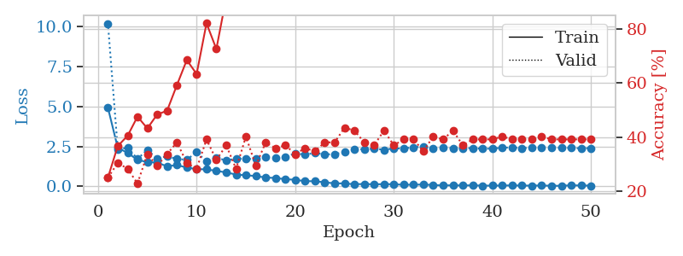
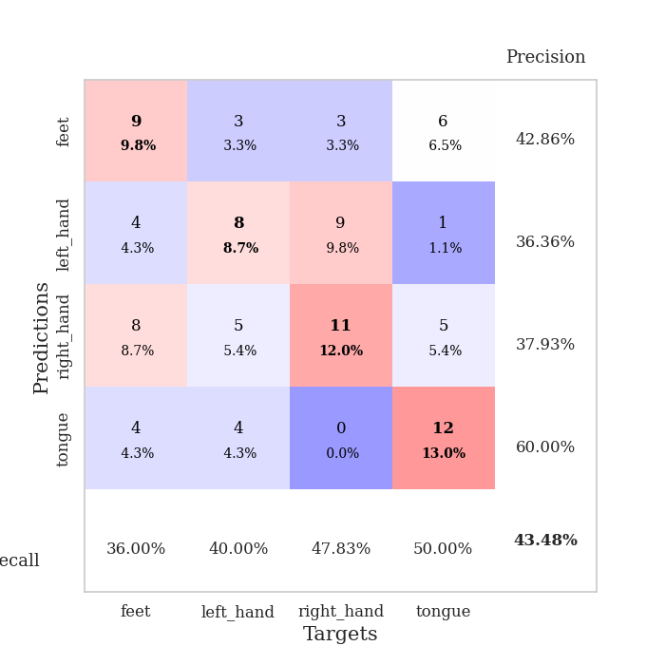
train_loss | valid_loss | train_accuracy | valid_accuracy | dur | train_misclass | valid_misclass
4.9173476178 | 10.191393603 | 0.25 | 0.25 | 0.096885204315 | 25 | 25
2.4061906597 | 2.3064802574 | 0.36684782609 | 0.30434782609 | 0.094365596771 | 36.684782609 | 30.434782609
2.0935924727 | 2.4195670408 | 0.40489130435 | 0.28260869565 | 0.095463514328 | 40.489130435 | 28.260869565
1.6522400224 | 1.7196867518 | 0.47554347826 | 0.22826086957 | 0.094823598862 | 47.554347826 | 22.826086957
1.5193162483 | 2.2784332089 | 0.43206521739 | 0.33695652174 | 0.10184335709 | 43.206521739 | 33.695652174
1.4849876917 | 1.7349666875 | 0.48369565217 | 0.29347826087 | 0.11161398888 | 48.369565217 | 29.347826087
1.2501331723 | 1.8858715037 | 0.4972826087 | 0.33695652174 | 0.10192418098 | 49.72826087 | 33.695652174
1.3310821834 | 1.7024467302 | 0.59239130435 | 0.38043478261 | 0.10344052315 | 59.239130435 | 38.043478261
1.173064929 | 1.668828363 | 0.6847826087 | 0.30434782609 | 0.10113763809 | 68.47826087 | 30.434782609
1.0740786117 | 2.1343597847 | 0.63315217391 | 0.28260869565 | 0.10214161873 | 63.315217391 | 28.260869565
1.0612216385 | 1.555274699 | 0.82065217391 | 0.39130434783 | 0.098036766052 | 82.065217391 | 39.130434783
0.96421980858 | 1.8034725448 | 0.72554347826 | 0.3152173913 | 0.092808008194 | 72.554347826 | 31.52173913
0.86991546465 | 1.6065800242 | 0.91576086957 | 0.36956521739 | 0.095818519592 | 91.576086957 | 36.956521739
0.73443610254 | 1.7473978426 | 0.93206521739 | 0.28260869565 | 0.095215559006 | 93.206521739 | 28.260869565
0.69216793128 | 1.7163738012 | 0.95108695652 | 0.40217391304 | 0.095784425735 | 95.108695652 | 40.217391304
0.6428536073 | 1.710896435 | 0.97010869565 | 0.29347826087 | 0.10339665413 | 97.010869565 | 29.347826087
0.54890046819 | 1.8280684274 | 0.97554347826 | 0.38043478261 | 0.092711925507 | 97.554347826 | 38.043478261
0.52234391285 | 1.7758658762 | 0.96739130435 | 0.35869565217 | 0.092673778534 | 96.739130435 | 35.869565217
0.44372533327 | 1.8448599992 | 0.98641304348 | 0.36956521739 | 0.092690944672 | 98.641304348 | 36.956521739
0.41019184952 | 2.054721003 | 0.98369565217 | 0.33695652174 | 0.09241771698 | 98.369565217 | 33.695652174
0.31948888464 | 1.9896284653 | 1 | 0.35869565217 | 0.099718332291 | 100 | 35.869565217
0.32013515675 | 2.080572232 | 1 | 0.34782608696 | 0.10148763657 | 100 | 34.782608696
0.24670716343 | 2.0033344134 | 1 | 0.38043478261 | 0.10432314873 | 100 | 38.043478261
0.18610130348 | 2.0047724143 | 1 | 0.38043478261 | 0.10492801666 | 100 | 38.043478261
0.18091910851 | 2.1526170762 | 1 | 0.4347826087 | 0.10708546638 | 100 | 43.47826087
0.12857301387 | 2.3403870956 | 1 | 0.42391304348 | 0.10597038269 | 100 | 42.391304348
0.14749181011 | 2.3120135639 | 1 | 0.38043478261 | 0.10925221443 | 100 | 38.043478261
0.12220895064 | 2.363741061 | 1 | 0.36956521739 | 0.10307693481 | 100 | 36.956521739
0.13916266928 | 2.2861585773 | 1 | 0.42391304348 | 0.106341362 | 100 | 42.391304348
0.12680999157 | 2.373590205 | 1 | 0.36956521739 | 0.10915136337 | 100 | 36.956521739
0.098085011558 | 2.3677417869 | 1 | 0.39130434783 | 0.11002707481 | 100 | 39.130434783
0.098920872718 | 2.4473490767 | 1 | 0.39130434783 | 0.106112957 | 100 | 39.130434783
0.11399645002 | 2.4793578594 | 1 | 0.34782608696 | 0.1019923687 | 100 | 34.782608696
0.079159685552 | 2.3901421765 | 1 | 0.40217391304 | 0.10148406029 | 100 | 40.217391304
0.054106442582 | 2.4069676399 | 1 | 0.39130434783 | 0.1019320488 | 100 | 39.130434783
0.065246310288 | 2.3915724754 | 1 | 0.42391304348 | 0.1073987484 | 100 | 42.391304348
0.052833579683 | 2.3820348149 | 1 | 0.36956521739 | 0.10146212578 | 100 | 36.956521739
0.062310313684 | 2.3882964435 | 1 | 0.39130434783 | 0.10246348381 | 100 | 39.130434783
0.041373471972 | 2.3490673096 | 1 | 0.39130434783 | 0.10821843147 | 100 | 39.130434783
0.04439748196 | 2.361918864 | 1 | 0.39130434783 | 0.12063932419 | 100 | 39.130434783
0.04754366673 | 2.4151117957 | 1 | 0.40217391304 | 0.10676145554 | 100 | 40.217391304
0.058569871618 | 2.4315129363 | 1 | 0.39130434783 | 0.1060385704 | 100 | 39.130434783
0.0460423287 | 2.3919381214 | 1 | 0.39130434783 | 0.11294579506 | 100 | 39.130434783
0.043563298264 | 2.4079451768 | 1 | 0.39130434783 | 0.10928273201 | 100 | 39.130434783
0.04965956663 | 2.4117881889 | 1 | 0.40217391304 | 0.1053071022 | 100 | 40.217391304
0.033810379753 | 2.4125950181 | 1 | 0.39130434783 | 0.11157822609 | 100 | 39.130434783
0.031317159189 | 2.4067794344 | 1 | 0.39130434783 | 0.11187982559 | 100 | 39.130434783
0.063162482971 | 2.4020817798 | 1 | 0.39130434783 | 0.10662770271 | 100 | 39.130434783
0.05111907791 | 2.3772542995 | 1 | 0.39130434783 | 0.1096739769 | 100 | 39.130434783
0.043900402668 | 2.3890736881 | 1 | 0.39130434783 | 0.11072421074 | 100 | 39.130434783

Best Val accuracy is 0.43478260869565216 and Best test accuracy is 0.3706896551724138

Sheet4
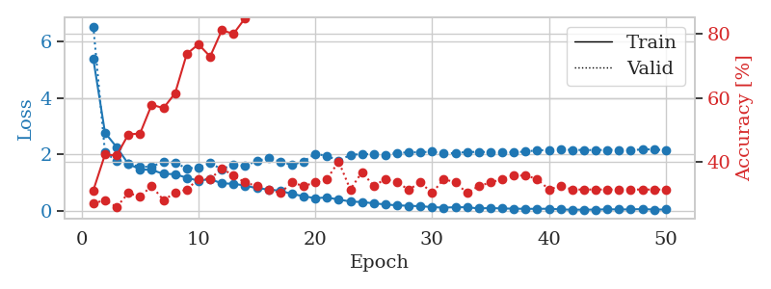
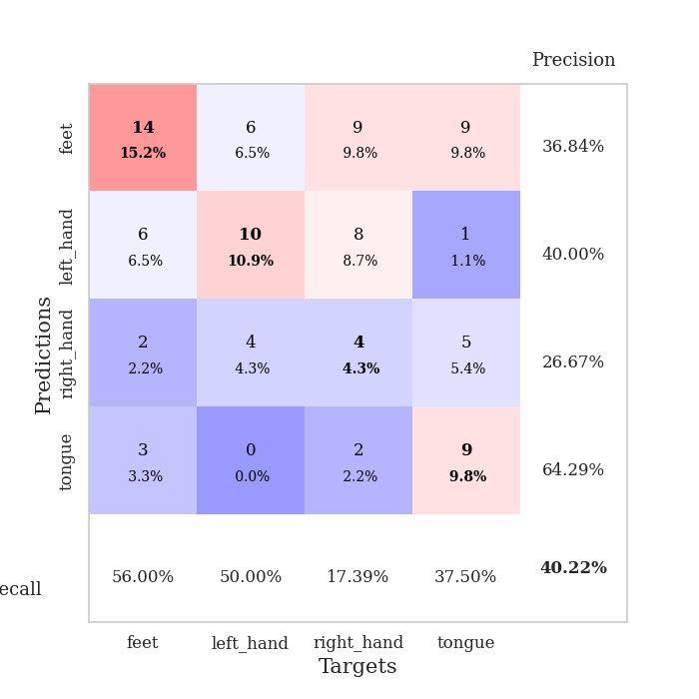
train_loss | valid_loss | train_accuracy | valid_accuracy | dur | train_misclass | valid_misclass
5.3698306913 | 6.5168142733 | 0.3125 | 0.27173913043 | 0.1101808548 | 31.25 | 27.173913043
2.7723256661 | 2.0699465689 | 0.42391304348 | 0.28260869565 | 0.10194039345 | 42.391304348 | 28.260869565
2.2605489285 | 1.7785174587 | 0.42119565217 | 0.26086956522 | 0.11508965492 | 42.119565217 | 26.086956522
1.6706830833 | 1.6820710638 | 0.48641304348 | 0.30434782609 | 0.10859417915 | 48.641304348 | 30.434782609
1.4798498439 | 1.5625749878 | 0.48913043478 | 0.29347826087 | 0.11090326309 | 48.913043478 | 29.347826087
1.4609890969 | 1.5822284947 | 0.57880434783 | 0.32608695652 | 0.11171317101 | 57.880434783 | 32.608695652
1.32026917 | 1.7442192565 | 0.56793478261 | 0.28260869565 | 0.11868619919 | 56.793478261 | 28.260869565
1.3119582145 | 1.7183137044 | 0.61413043478 | 0.30434782609 | 0.11125159264 | 61.413043478 | 30.434782609
1.1823189595 | 1.5090062981 | 0.73641304348 | 0.3152173913 | 0.10422849655 | 73.641304348 | 31.52173913
1.0813023733 | 1.5504988276 | 0.76630434783 | 0.34782608696 | 0.11038541794 | 76.630434783 | 34.782608696
1.1349004585 | 1.6970991674 | 0.72826086957 | 0.34782608696 | 0.10317158699 | 72.826086957 | 34.782608696
0.98701730759 | 1.4851028867 | 0.8097826087 | 0.38043478261 | 0.10931348801 | 80.97826087 | 38.043478261
0.97186137541 | 1.6558582835 | 0.79891304348 | 0.35869565217 | 0.10275316238 | 79.891304348 | 35.869565217
0.9073196831 | 1.5994004633 | 0.84782608696 | 0.33695652174 | 0.10480475426 | 84.782608696 | 33.695652174
0.81475714497 | 1.7812544107 | 0.8777173913 | 0.32608695652 | 0.10781788826 | 87.77173913 | 32.608695652
0.77186195228 | 1.8662656753 | 0.90217391304 | 0.3152173913 | 0.10787510872 | 90.217391304 | 31.52173913
0.72414287277 | 1.7590907138 | 0.95380434783 | 0.30434782609 | 0.11073613167 | 95.380434783 | 30.434782609
0.61477679921 | 1.6330052873 | 0.98097826087 | 0.33695652174 | 0.098410129547 | 98.097826087 | 33.695652174
0.53245695972 | 1.7605285282 | 0.97554347826 | 0.32608695652 | 0.095240354538 | 97.554347826 | 32.608695652
0.4645256737 | 2.0277027514 | 0.97282608696 | 0.33695652174 | 0.095695972443 | 97.282608696 | 33.695652174
0.48948443713 | 1.9526483287 | 1 | 0.34782608696 | 0.095325946808 | 100 | 34.782608696
0.41406893017 | 1.7885929813 | 0.9972826087 | 0.40217391304 | 0.095367670059 | 99.72826087 | 40.217391304
0.34836262594 | 1.9857730192 | 0.9972826087 | 0.3152173913 | 0.10524606705 | 99.72826087 | 31.52173913
0.32546255154 | 2.0239274398 | 0.9972826087 | 0.36956521739 | 0.10770702362 | 99.72826087 | 36.956521739
0.28524620831 | 2.0040513951 | 1 | 0.32608695652 | 0.10291814804 | 100 | 32.608695652
0.24089195385 | 1.9963660862 | 1 | 0.34782608696 | 0.10371232033 | 100 | 34.782608696
0.21243829151 | 2.056804346 | 1 | 0.33695652174 | 0.10775589943 | 100 | 33.695652174
0.19507165545 | 2.0800200908 | 1 | 0.3152173913 | 0.11140704155 | 100 | 31.52173913
0.18127755886 | 2.0834551687 | 1 | 0.33695652174 | 0.10929632187 | 100 | 33.695652174
0.14877798797 | 2.1016271788 | 1 | 0.30434782609 | 0.10561156273 | 100 | 30.434782609
0.12980630184 | 2.0346066952 | 1 | 0.34782608696 | 0.11044645309 | 100 | 34.782608696
0.14576710016 | 2.0597160588 | 1 | 0.33695652174 | 0.11155605316 | 100 | 33.695652174
0.14293374818 | 2.090327351 | 1 | 0.30434782609 | 0.10876274109 | 100 | 30.434782609
0.10212593307 | 2.0958677634 | 1 | 0.32608695652 | 0.10819411278 | 100 | 32.608695652
0.11741230216 | 2.0875042781 | 1 | 0.33695652174 | 0.10365366936 | 100 | 33.695652174
0.09989282335 | 2.0808923504 | 1 | 0.34782608696 | 0.10785675049 | 100 | 34.782608696
0.093894012191 | 2.0847240324 | 1 | 0.35869565217 | 0.10677957535 | 100 | 35.869565217
0.088465705028 | 2.1067895682 | 1 | 0.35869565217 | 0.10690903664 | 100 | 35.869565217
0.087813186986 | 2.1535709008 | 1 | 0.34782608696 | 0.11192631721 | 100 | 34.782608696
0.091771059305 | 2.1576414471 | 1 | 0.3152173913 | 0.11204981804 | 100 | 31.52173913
0.068608721799 | 2.1764788161 | 1 | 0.32608695652 | 0.11228203773 | 100 | 32.608695652
0.055346152219 | 2.165277875 | 1 | 0.3152173913 | 0.10921931267 | 100 | 31.52173913
0.060972722733 | 2.1639682884 | 1 | 0.3152173913 | 0.10792088509 | 100 | 31.52173913
0.058497790166 | 2.1579573103 | 1 | 0.3152173913 | 0.11101150513 | 100 | 31.52173913
0.073540838435 | 2.1690291374 | 1 | 0.3152173913 | 0.10886597633 | 100 | 31.52173913
0.065507138836 | 2.166025084 | 1 | 0.3152173913 | 0.10672926903 | 100 | 31.52173913
0.069241320552 | 2.147981483 | 1 | 0.3152173913 | 0.10596323013 | 100 | 31.52173913
0.078676491449 | 2.1875896868 | 1 | 0.3152173913 | 0.10772848129 | 100 | 31.52173913
0.062544914448 | 2.1811369398 | 1 | 0.3152173913 | 0.10976195335 | 100 | 31.52173913
0.063517238054 | 2.1545454523 | 1 | 0.3152173913 | 0.11003684998 | 100 | 31.52173913

Best Val accuracy is 0.40217391304347827 and Best test accuracy is 0.3448275862068966

Sheet5
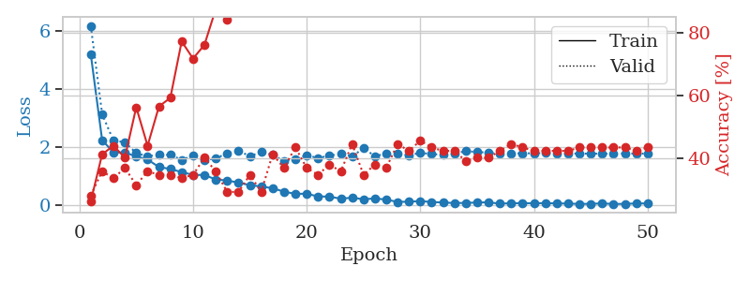
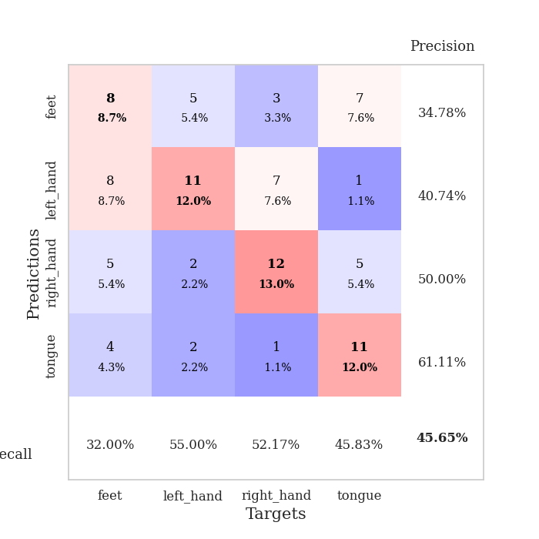
train_loss | valid_loss | train_accuracy | valid_accuracy | dur | train_misclass | valid_misclass
5.189748536 | 6.1689456649 | 0.26358695652 | 0.28260869565 | 0.10417842865 | 26.358695652 | 28.260869565
2.2387265174 | 3.1296273211 | 0.41304347826 | 0.35869565217 | 0.11076831818 | 41.304347826 | 35.869565217
1.8079896517 | 2.2128926256 | 0.4402173913 | 0.33695652174 | 0.10781860352 | 44.02173913 | 33.695652174
1.8133135412 | 2.167047822 | 0.40217391304 | 0.36956521739 | 0.10253763199 | 40.217391304 | 36.956521739
1.6707262008 | 1.7888362045 | 0.5625 | 0.3152173913 | 0.10345888138 | 56.25 | 31.52173913
1.5671908 | 1.6786119316 | 0.4402173913 | 0.35869565217 | 0.10493469238 | 44.02173913 | 35.869565217
1.310187161 | 1.7412688577 | 0.5652173913 | 0.34782608696 | 0.10573101044 | 56.52173913 | 34.782608696
1.2440917233 | 1.7242331816 | 0.59239130435 | 0.34782608696 | 0.10560250282 | 59.239130435 | 34.782608696
1.1360275486 | 1.5605919413 | 0.77173913043 | 0.33695652174 | 0.10683274269 | 77.173913043 | 33.695652174
1.0398399078 | 1.6993361712 | 0.71739130435 | 0.34782608696 | 0.11038613319 | 71.739130435 | 34.782608696
1.0362641189 | 1.5351464075 | 0.76086956522 | 0.40217391304 | 0.1106197834 | 76.086956522 | 40.217391304
0.88271735285 | 1.6142406878 | 0.875 | 0.35869565217 | 0.10652351379 | 87.5 | 35.869565217
0.84584748227 | 1.7755253885 | 0.84239130435 | 0.29347826087 | 0.10519075394 | 84.239130435 | 29.347826087
0.77624957328 | 1.8731032403 | 0.88586956522 | 0.29347826087 | 0.1080365181 | 88.586956522 | 29.347826087
0.68659281342 | 1.6802494941 | 0.94565217391 | 0.34782608696 | 0.10276842117 | 94.565217391 | 34.782608696
0.64190172501 | 1.8300422223 | 0.89673913043 | 0.29347826087 | 0.10565304756 | 89.673913043 | 29.347826087
0.58125176896 | 1.7297805289 | 0.97010869565 | 0.41304347826 | 0.10675382614 | 97.010869565 | 41.304347826
0.46363736171 | 1.5198561782 | 0.98913043478 | 0.36956521739 | 0.10701036453 | 98.913043478 | 36.956521739
0.38723928546 | 1.5936116187 | 0.98913043478 | 0.4347826087 | 0.10125494003 | 98.913043478 | 43.47826087
0.39299190595 | 1.7133893915 | 0.99456521739 | 0.36956521739 | 0.10232973099 | 99.456521739 | 36.956521739
0.29756937565 | 1.6182090562 | 0.98369565217 | 0.34782608696 | 0.10159993172 | 98.369565217 | 34.782608696
0.29374141926 | 1.70210985 | 1 | 0.38043478261 | 0.11130309105 | 100 | 38.043478261
0.21986313747 | 1.7641344744 | 0.9972826087 | 0.35869565217 | 0.10664081573 | 99.72826087 | 35.869565217
0.25776907381 | 1.6780020672 | 0.9972826087 | 0.44565217391 | 0.10868263245 | 99.72826087 | 44.565217391
0.19942639234 | 1.9562075449 | 0.98913043478 | 0.34782608696 | 0.1137547493 | 98.913043478 | 34.782608696
0.23190496862 | 1.6845560022 | 1 | 0.38043478261 | 0.10998773575 | 100 | 38.043478261
0.18944427031 | 1.7702307027 | 1 | 0.36956521739 | 0.10850048065 | 100 | 36.956521739
0.110945001 | 1.7652845357 | 1 | 0.44565217391 | 0.10932898521 | 100 | 44.565217391
0.11758516741 | 1.7166900298 | 1 | 0.42391304348 | 0.11153459549 | 100 | 42.391304348
0.13808921295 | 1.7975588881 | 1 | 0.45652173913 | 0.11121535301 | 100 | 45.652173913
0.10779316626 | 1.7568126684 | 1 | 0.4347826087 | 0.10524845123 | 100 | 43.47826087
0.091012466132 | 1.7308166623 | 1 | 0.42391304348 | 0.10937952995 | 100 | 42.391304348
0.071065433242 | 1.7704251849 | 1 | 0.42391304348 | 0.1082341671 | 100 | 42.391304348
0.076749237416 | 1.8580516421 | 1 | 0.39130434783 | 0.11128568649 | 100 | 39.130434783
0.088843706509 | 1.8249618463 | 1 | 0.40217391304 | 0.10217285156 | 100 | 40.217391304
0.097562403864 | 1.8089341133 | 1 | 0.40217391304 | 0.10290241241 | 100 | 40.217391304
0.049878222584 | 1.7653235767 | 1 | 0.42391304348 | 0.11071276665 | 100 | 42.391304348
0.066042185397 | 1.7803590298 | 1 | 0.44565217391 | 0.10970020294 | 100 | 44.565217391
0.065691393274 | 1.7810806684 | 1 | 0.4347826087 | 0.10887074471 | 100 | 43.47826087
0.062918878241 | 1.7846947649 | 1 | 0.42391304348 | 0.1111574173 | 100 | 42.391304348
0.069436834032 | 1.791215824 | 1 | 0.42391304348 | 0.10958695412 | 100 | 42.391304348
0.058282396918 | 1.7683310742 | 1 | 0.42391304348 | 0.10752034187 | 100 | 42.391304348
0.054359701948 | 1.7729503409 | 1 | 0.42391304348 | 0.10440921783 | 100 | 42.391304348
0.040462404996 | 1.7745519851 | 1 | 0.4347826087 | 0.10864686966 | 100 | 43.47826087
0.045276741821 | 1.7693089532 | 1 | 0.4347826087 | 0.10841941833 | 100 | 43.47826087
0.058860918932 | 1.7703502774 | 1 | 0.4347826087 | 0.10206413269 | 100 | 43.47826087
0.040318415419 | 1.7608314312 | 1 | 0.4347826087 | 0.10816264153 | 100 | 43.47826087
0.042776604021 | 1.781122231 | 1 | 0.4347826087 | 0.10555458069 | 100 | 43.47826087
0.058933166544 | 1.7724967599 | 1 | 0.42391304348 | 0.10618185997 | 100 | 42.391304348
0.058246204771 | 1.7741599498 | 1 | 0.4347826087 | 0.11082673073 | 100 | 43.47826087

Best Val accuracy is 0.45652173913043476 and Best test accuracy is 0.5862068965517241

Sheet6
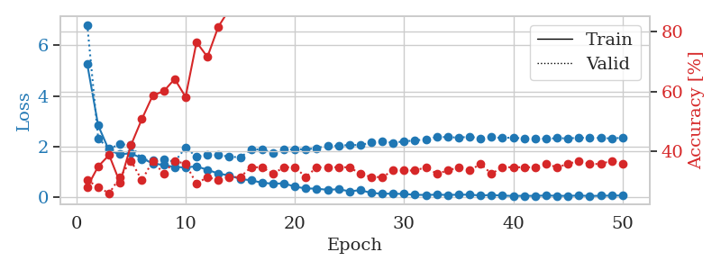
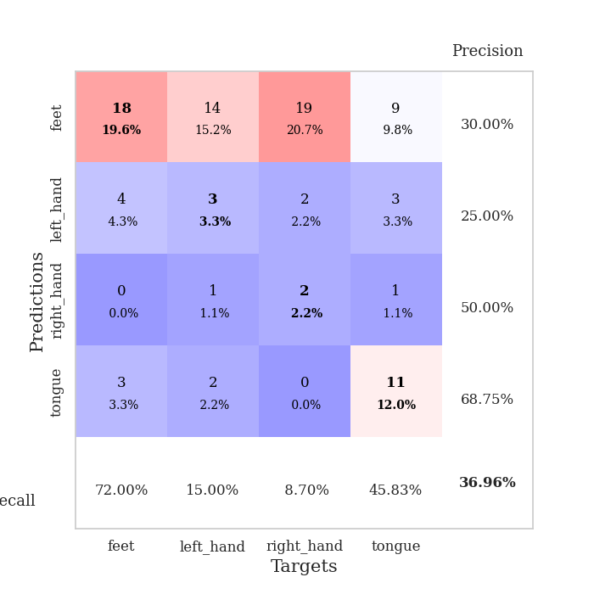
train_loss | valid_loss | train_accuracy | valid_accuracy | dur | train_misclass | valid_misclass
5.2496926681 | 6.8111689194 | 0.28260869565 | 0.30434782609 | 0.11140084267 | 28.260869565 | 30.434782609
2.8330458662 | 2.3140571636 | 0.35054347826 | 0.28260869565 | 0.10869646072 | 35.054347826 | 28.260869565
1.8406512374 | 1.9167731378 | 0.38858695652 | 0.26086956522 | 0.11135196686 | 38.858695652 | 26.086956522
1.6960695878 | 2.089104642 | 0.29619565217 | 0.3152173913 | 0.1032397747 | 29.619565217 | 31.52173913
1.7327575191 | 2.0643963347 | 0.42119565217 | 0.36956521739 | 0.10209679604 | 42.119565217 | 36.956521739
1.5305607734 | 1.4833467784 | 0.50815217391 | 0.30434782609 | 0.10997700691 | 50.815217391 | 30.434782609
1.3348724168 | 1.4594186078 | 0.58695652174 | 0.36956521739 | 0.10527038574 | 58.695652174 | 36.956521739
1.2684077724 | 1.5029986423 | 0.60054347826 | 0.32608695652 | 0.10526800156 | 60.054347826 | 32.608695652
1.1911398976 | 1.3963887484 | 0.64130434783 | 0.36956521739 | 0.10255718231 | 64.130434783 | 36.956521739
1.1767946456 | 1.9614842042 | 0.58152173913 | 0.35869565217 | 0.10908913612 | 58.152173913 | 35.869565217
1.2172676765 | 1.5999905804 | 0.76358695652 | 0.29347826087 | 0.11513757706 | 76.358695652 | 29.347826087
1.0810706408 | 1.671796467 | 0.71467391304 | 0.3152173913 | 0.10766839981 | 71.467391304 | 31.52173913
0.93225625546 | 1.6570333553 | 0.8152173913 | 0.30434782609 | 0.10717606544 | 81.52173913 | 30.434782609
0.85804307331 | 1.6042537637 | 0.8722826087 | 0.3152173913 | 0.10346794128 | 87.22826087 | 31.52173913
0.71648232833 | 1.5687463439 | 0.9402173913 | 0.3152173913 | 0.10676145554 | 94.02173913 | 31.52173913
0.66711242043 | 1.8815975086 | 0.90760869565 | 0.34782608696 | 0.10857462883 | 90.760869565 | 34.782608696
0.57082993699 | 1.8888306825 | 0.89945652174 | 0.34782608696 | 0.10625457764 | 89.945652174 | 34.782608696
0.53322529145 | 1.7453420421 | 0.9347826087 | 0.32608695652 | 0.10919523239 | 93.47826087 | 32.608695652
0.54602681748 | 1.8705185289 | 0.99184782609 | 0.34782608696 | 0.10722470284 | 99.184782609 | 34.782608696
0.41520049261 | 1.8990378432 | 0.99456521739 | 0.34782608696 | 0.11065101624 | 99.456521739 | 34.782608696
0.34519437862 | 1.8853728149 | 0.9972826087 | 0.3152173913 | 0.10884952545 | 99.72826087 | 31.52173913
0.33579028851 | 1.9401103621 | 0.9972826087 | 0.34782608696 | 0.10448455811 | 99.72826087 | 34.782608696
0.28972619966 | 2.0378797884 | 0.9972826087 | 0.34782608696 | 0.10874557495 | 99.72826087 | 34.782608696
0.31500991725 | 2.0254548736 | 1 | 0.34782608696 | 0.10536003113 | 100 | 34.782608696
0.23175936873 | 2.0658247056 | 1 | 0.34782608696 | 0.10613751411 | 100 | 34.782608696
0.27730457857 | 2.0550194512 | 1 | 0.32608695652 | 0.10891461372 | 100 | 32.608695652
0.16750593775 | 2.1634693249 | 1 | 0.3152173913 | 0.10448265076 | 100 | 31.52173913
0.13662930092 | 2.2090563567 | 1 | 0.3152173913 | 0.11048197746 | 100 | 31.52173913
0.13855365275 | 2.1443546544 | 1 | 0.33695652174 | 0.10838532448 | 100 | 33.695652174
0.12710919911 | 2.2104869511 | 1 | 0.33695652174 | 0.10948514938 | 100 | 33.695652174
0.09190673041 | 2.2341631703 | 1 | 0.33695652174 | 0.1046037674 | 100 | 33.695652174
0.088608898789 | 2.2956980726 | 1 | 0.34782608696 | 0.11108469963 | 100 | 34.782608696
0.09856437584 | 2.3753761001 | 1 | 0.32608695652 | 0.10779118538 | 100 | 32.608695652
0.089175760179 | 2.3722471465 | 1 | 0.33695652174 | 0.107640028 | 100 | 33.695652174
0.096646566025 | 2.3523853136 | 1 | 0.34782608696 | 0.10529780388 | 100 | 34.782608696
0.099526991703 | 2.3876674383 | 1 | 0.33695652174 | 0.11347556114 | 100 | 33.695652174
0.065501310822 | 2.3256325618 | 1 | 0.35869565217 | 0.10274529457 | 100 | 35.869565217
0.087057909523 | 2.3699315838 | 1 | 0.32608695652 | 0.10865569115 | 100 | 32.608695652
0.061988624744 | 2.338478275 | 1 | 0.34782608696 | 0.11139512062 | 100 | 34.782608696
0.049552300378 | 2.355830545 | 1 | 0.34782608696 | 0.10767745972 | 100 | 34.782608696
0.054834753072 | 2.3121398739 | 1 | 0.34782608696 | 0.11150503159 | 100 | 34.782608696
0.051238360288 | 2.3222116387 | 1 | 0.34782608696 | 0.10422301292 | 100 | 34.782608696
0.066587920422 | 2.3039405864 | 1 | 0.35869565217 | 0.10681557655 | 100 | 35.869565217
0.054435971294 | 2.3316443588 | 1 | 0.34782608696 | 0.10785031319 | 100 | 34.782608696
0.051503111406 | 2.3224269411 | 1 | 0.35869565217 | 0.10514569283 | 100 | 35.869565217
0.064611993366 | 2.3464092275 | 1 | 0.36956521739 | 0.10938954353 | 100 | 36.956521739
0.047363853851 | 2.3470794533 | 1 | 0.35869565217 | 0.10514450073 | 100 | 35.869565217
0.056020347078 | 2.3380843349 | 1 | 0.35869565217 | 0.10621714592 | 100 | 35.869565217
0.061932564288 | 2.3201254554 | 1 | 0.36956521739 | 0.10403609276 | 100 | 36.956521739
0.067032909912 | 2.3478253095 | 1 | 0.35869565217 | 0.10516500473 | 100 | 35.869565217

Best Val accuracy is 0.3695652173913043 and Best test accuracy is 0.27586206896551724

Sheet7
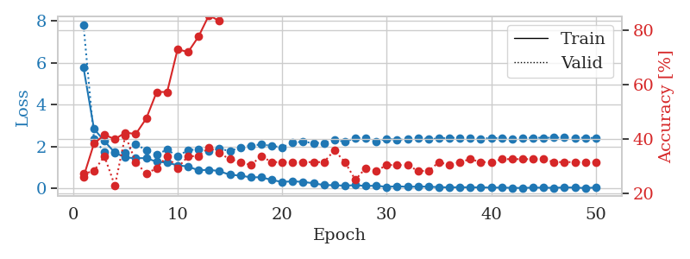
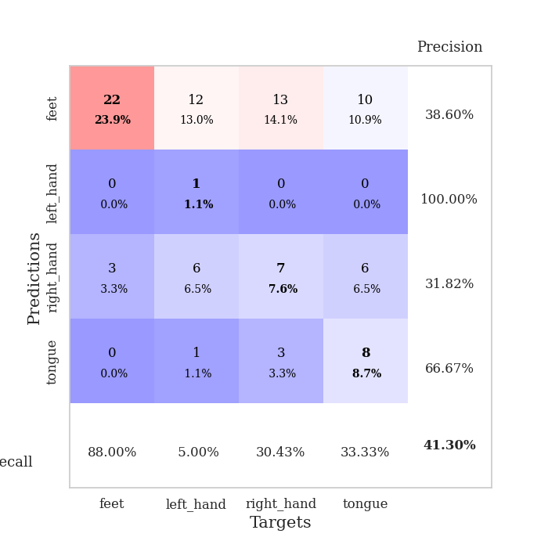
train_loss | valid_loss | train_accuracy | valid_accuracy | dur | train_misclass | valid_misclass
5.7806458162 | 7.815668189 | 0.26086956522 | 0.27173913043 | 0.1066327095 | 26.086956522 | 27.173913043
2.8570120542 | 2.3774181034 | 0.38315217391 | 0.28260869565 | 0.10346078873 | 38.315217391 | 28.260869565
2.2672708812 | 1.7484599715 | 0.41576086957 | 0.33695652174 | 0.11097073555 | 41.576086957 | 33.695652174
1.7163228367 | 1.7601894866 | 0.39945652174 | 0.22826086957 | 0.10799002647 | 39.945652174 | 22.826086957
1.4851436356 | 1.7308809498 | 0.42391304348 | 0.41304347826 | 0.10949468613 | 42.391304348 | 41.304347826
1.4552038519 | 2.1391538433 | 0.41847826087 | 0.3152173913 | 0.10665082932 | 41.847826087 | 31.52173913
1.4577591264 | 1.8254992651 | 0.47554347826 | 0.27173913043 | 0.10889101028 | 47.554347826 | 27.173913043
1.2841319675 | 1.6355158764 | 0.57336956522 | 0.29347826087 | 0.10846924782 | 57.336956522 | 29.347826087
1.2445262308 | 1.8610703686 | 0.57336956522 | 0.33695652174 | 0.10696434975 | 57.336956522 | 33.695652174
1.1116512236 | 1.5453561078 | 0.73097826087 | 0.29347826087 | 0.10658240318 | 73.097826087 | 29.347826087
1.0590762988 | 1.8380305093 | 0.72010869565 | 0.33695652174 | 0.1069457531 | 72.010869565 | 33.695652174
0.87152799834 | 1.876523277 | 0.77717391304 | 0.33695652174 | 0.11281490326 | 77.717391304 | 33.695652174
0.90317524775 | 1.7996486581 | 0.85597826087 | 0.36956521739 | 0.106528759 | 85.597826087 | 36.956521739
0.83365737874 | 1.914525768 | 0.83423913043 | 0.34782608696 | 0.10897922516 | 83.423913043 | 34.782608696
0.6596994089 | 1.787705976 | 0.92119565217 | 0.32608695652 | 0.10670518875 | 92.119565217 | 32.608695652
0.6247641522 | 1.9730504026 | 0.96195652174 | 0.3152173913 | 0.1150021553 | 96.195652174 | 31.52173913
0.5365021164 | 2.0598188328 | 0.95923913043 | 0.30434782609 | 0.10551548004 | 95.923913043 | 30.434782609
0.54700775639 | 2.1068716049 | 0.97010869565 | 0.33695652174 | 0.11190366745 | 97.010869565 | 33.695652174
0.41249582625 | 2.0430563533 | 0.99456521739 | 0.3152173913 | 0.10943984985 | 99.456521739 | 31.52173913
0.31844231875 | 1.9674328514 | 0.99456521739 | 0.3152173913 | 0.10613250732 | 99.456521739 | 31.52173913
0.35223075586 | 2.2118798339 | 0.99184782609 | 0.3152173913 | 0.10790395737 | 99.184782609 | 31.52173913
0.32047486953 | 2.2332476533 | 1 | 0.3152173913 | 0.11668300629 | 100 | 31.52173913
0.2584580128 | 2.1827147525 | 1 | 0.3152173913 | 0.10628557205 | 100 | 31.52173913
0.16972844432 | 2.1841859714 | 1 | 0.3152173913 | 0.10685276985 | 100 | 31.52173913
0.16473934961 | 2.3450484587 | 1 | 0.35869565217 | 0.11013579369 | 100 | 35.869565217
0.1410348059 | 2.2325352897 | 1 | 0.3152173913 | 0.11206650734 | 100 | 31.52173913
0.16629452161 | 2.4189472406 | 1 | 0.25 | 0.10753560066 | 100 | 25
0.12783162879 | 2.3941753118 | 1 | 0.29347826087 | 0.10732913017 | 100 | 29.347826087
0.14221198225 | 2.2537226055 | 1 | 0.28260869565 | 0.10772609711 | 100 | 28.260869565
0.080776925239 | 2.3797772138 | 1 | 0.30434782609 | 0.10411477089 | 100 | 30.434782609
0.11744110335 | 2.3353119415 | 1 | 0.30434782609 | 0.10870218277 | 100 | 30.434782609
0.082310721602 | 2.3523632858 | 1 | 0.30434782609 | 0.10602831841 | 100 | 30.434782609
0.1009225387 | 2.419233913 | 1 | 0.28260869565 | 0.10793495178 | 100 | 28.260869565
0.092444058103 | 2.3623319812 | 1 | 0.28260869565 | 0.10802936554 | 100 | 28.260869565
0.07105446696 | 2.3948331812 | 1 | 0.3152173913 | 0.10541915894 | 100 | 31.52173913
0.059617398995 | 2.4276594494 | 1 | 0.30434782609 | 0.10547757149 | 100 | 30.434782609
0.069460884061 | 2.417007042 | 1 | 0.3152173913 | 0.10789942741 | 100 | 31.52173913
0.061231002212 | 2.3969436625 | 1 | 0.32608695652 | 0.10237455368 | 100 | 32.608695652
0.061953825755 | 2.3768183459 | 1 | 0.3152173913 | 0.11221337318 | 100 | 31.52173913
0.049145245884 | 2.4257087293 | 1 | 0.3152173913 | 0.11104846001 | 100 | 31.52173913
0.052035188181 | 2.4008011714 | 1 | 0.32608695652 | 0.10677957535 | 100 | 32.608695652
0.036882187361 | 2.3894561477 | 1 | 0.32608695652 | 0.10571837425 | 100 | 32.608695652
0.031390499729 | 2.3961978892 | 1 | 0.32608695652 | 0.10904455185 | 100 | 32.608695652
0.050170656861 | 2.4312744452 | 1 | 0.32608695652 | 0.10335636139 | 100 | 32.608695652
0.047272171866 | 2.4260712085 | 1 | 0.32608695652 | 0.10252332687 | 100 | 32.608695652
0.038284856259 | 2.4341217539 | 1 | 0.3152173913 | 0.10750722885 | 100 | 31.52173913
0.05884974045 | 2.4331297978 | 1 | 0.3152173913 | 0.10201430321 | 100 | 31.52173913
0.052236279959 | 2.4317745644 | 1 | 0.3152173913 | 0.10391759872 | 100 | 31.52173913
0.028098231546 | 2.4256348921 | 1 | 0.3152173913 | 0.10682892799 | 100 | 31.52173913
0.056113545256 | 2.4167843176 | 1 | 0.3152173913 | 0.11514806747 | 100 | 31.52173913

Best Val accuracy is 0.41304347826086957 and Best test accuracy is 0.35344827586206895

Sheet8
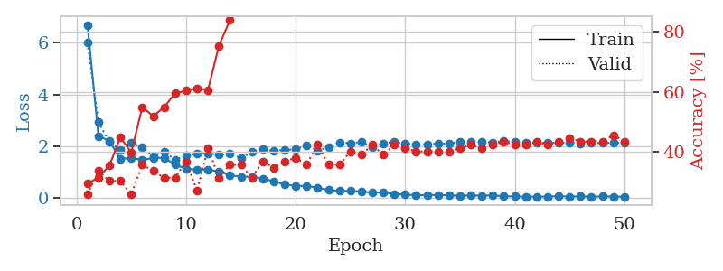
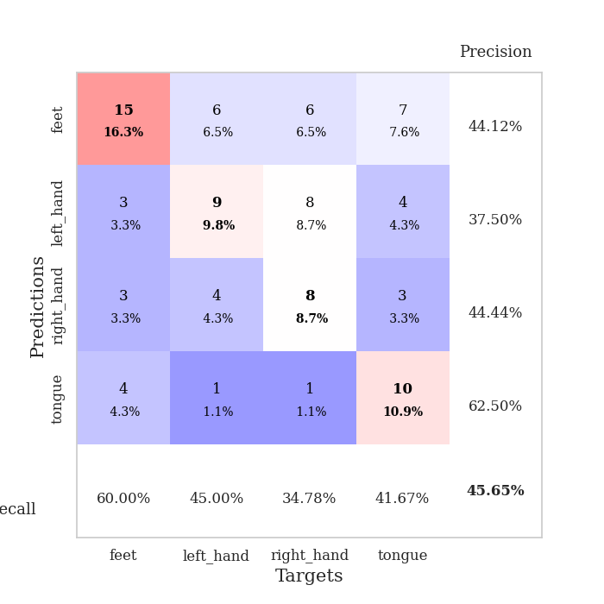
train_loss | valid_loss | train_accuracy | valid_accuracy | dur | train_misclass | valid_misclass
6.6885273975 | 6.0028722805 | 0.29619565217 | 0.26086956522 | 0.10351657867 | 29.619565217 | 26.086956522
2.3934530849 | 2.9194062689 | 0.3152173913 | 0.33695652174 | 0.10545611382 | 31.52173913 | 33.695652174
2.2035881125 | 2.1627227483 | 0.35597826087 | 0.30434782609 | 0.10246109962 | 35.597826087 | 30.434782609
1.5019328128 | 1.8481389336 | 0.44836956522 | 0.30434782609 | 0.10706377029 | 44.836956522 | 30.434782609
1.5443479678 | 2.1248518177 | 0.39945652174 | 0.26086956522 | 0.10463452339 | 39.945652174 | 26.086956522
1.4744250774 | 1.9571016353 | 0.54891304348 | 0.35869565217 | 0.10888671875 | 54.891304348 | 35.869565217
1.5381241829 | 1.6249790295 | 0.51902173913 | 0.33695652174 | 0.10779929161 | 51.902173913 | 33.695652174
1.5512670926 | 1.7984847815 | 0.54891304348 | 0.3152173913 | 0.11028933525 | 54.891304348 | 31.52173913
1.2836328693 | 1.4671463396 | 0.59510869565 | 0.3152173913 | 0.11006569862 | 59.510869565 | 31.52173913
1.1232214389 | 1.642455412 | 0.60326086957 | 0.36956521739 | 0.10753440857 | 60.326086957 | 36.956521739
1.101794927 | 1.7100188577 | 0.61141304348 | 0.27173913043 | 0.10522031784 | 61.141304348 | 27.173913043
1.0852646387 | 1.7234855683 | 0.60597826087 | 0.41304347826 | 0.10863399506 | 60.597826087 | 41.304347826
1.0266104185 | 1.6619939234 | 0.7527173913 | 0.3152173913 | 0.11107540131 | 75.27173913 | 31.52173913
0.87733727694 | 1.7009126155 | 0.83695652174 | 0.35869565217 | 0.10724282265 | 83.695652174 | 35.869565217
0.82026185808 | 1.5411216332 | 0.88315217391 | 0.35869565217 | 0.10757184029 | 88.315217391 | 35.869565217
0.81737208107 | 1.7698776877 | 0.88315217391 | 0.3152173913 | 0.10637831688 | 88.315217391 | 31.52173913
0.74722569403 | 1.8792716265 | 0.92934782609 | 0.36956521739 | 0.11011910439 | 92.934782609 | 36.956521739
0.64280528478 | 1.8291508167 | 0.96467391304 | 0.34782608696 | 0.10786795616 | 96.467391304 | 34.782608696
0.52115005514 | 1.8453045928 | 0.96467391304 | 0.36956521739 | 0.10400986671 | 96.467391304 | 36.956521739
0.46289038529 | 1.8848796513 | 0.95923913043 | 0.38043478261 | 0.10748386383 | 95.923913043 | 38.043478261
0.46133033996 | 2.0329149547 | 0.98641304348 | 0.35869565217 | 0.10484719276 | 98.641304348 | 35.869565217
0.39636447378 | 1.830882145 | 0.98369565217 | 0.42391304348 | 0.10932016373 | 98.369565217 | 42.391304348
0.30345811533 | 1.9444371151 | 0.9972826087 | 0.35869565217 | 0.11390018463 | 99.72826087 | 35.869565217
0.27731920811 | 2.1476635415 | 1 | 0.35869565217 | 0.10498809814 | 100 | 35.869565217
0.26666356915 | 2.1127682043 | 0.99456521739 | 0.40217391304 | 0.10796022415 | 99.456521739 | 40.217391304
0.24545153749 | 2.1573081742 | 1 | 0.39130434783 | 0.1070702076 | 100 | 39.130434783
0.20355475078 | 1.9461298093 | 1 | 0.42391304348 | 0.10436344147 | 100 | 42.391304348
0.21845570433 | 2.1077429834 | 1 | 0.39130434783 | 0.10902380943 | 100 | 39.130434783
0.14721535033 | 2.1625183873 | 1 | 0.42391304348 | 0.11179423332 | 100 | 42.391304348
0.13267817041 | 2.0921985481 | 1 | 0.41304347826 | 0.10982370377 | 100 | 41.304347826
0.10439125335 | 2.0776417255 | 1 | 0.40217391304 | 0.10504984856 | 100 | 40.217391304
0.11058863236 | 2.0736801417 | 1 | 0.40217391304 | 0.10574293137 | 100 | 40.217391304
0.11627528428 | 2.102904382 | 1 | 0.40217391304 | 0.10931611061 | 100 | 40.217391304
0.10024609149 | 2.0977529961 | 1 | 0.40217391304 | 0.10626196861 | 100 | 40.217391304
0.085600925852 | 2.1770178857 | 1 | 0.41304347826 | 0.10879945755 | 100 | 41.304347826
0.097679640612 | 2.1763925656 | 1 | 0.42391304348 | 0.10269331932 | 100 | 42.391304348
0.086068101268 | 2.1516832994 | 1 | 0.41304347826 | 0.11117935181 | 100 | 41.304347826
0.10006683951 | 2.1435758031 | 1 | 0.42391304348 | 0.1084280014 | 100 | 42.391304348
0.062370311469 | 2.2023450914 | 1 | 0.4347826087 | 0.10595703125 | 100 | 43.47826087
0.059115874055 | 2.1569387809 | 1 | 0.42391304348 | 0.1100127697 | 100 | 42.391304348
0.048202022019 | 2.1219121477 | 1 | 0.42391304348 | 0.10911488533 | 100 | 42.391304348
0.047545177579 | 2.1363971337 | 1 | 0.4347826087 | 0.10657477379 | 100 | 43.47826087
0.054914413749 | 2.1293449609 | 1 | 0.42391304348 | 0.10804367065 | 100 | 42.391304348
0.068282723791 | 2.1271825977 | 1 | 0.4347826087 | 0.10366892815 | 100 | 43.47826087
0.052217452827 | 2.1324460092 | 1 | 0.44565217391 | 0.10642528534 | 100 | 44.565217391
0.062406555223 | 2.1128198064 | 1 | 0.4347826087 | 0.10385584831 | 100 | 43.47826087
0.049231950356 | 2.1166290719 | 1 | 0.4347826087 | 0.11311626434 | 100 | 43.47826087
0.05914329539 | 2.1231599372 | 1 | 0.4347826087 | 0.10714769363 | 100 | 43.47826087
0.053549615666 | 2.1320912216 | 1 | 0.45652173913 | 0.10968542099 | 100 | 45.652173913
0.046751549103 | 2.1293586855 | 1 | 0.4347826087 | 0.11419153214 | 100 | 43.47826087

Best Val accuracy is 0.45652173913043476 and Best test accuracy is 0.45689655172413796

Sheet9
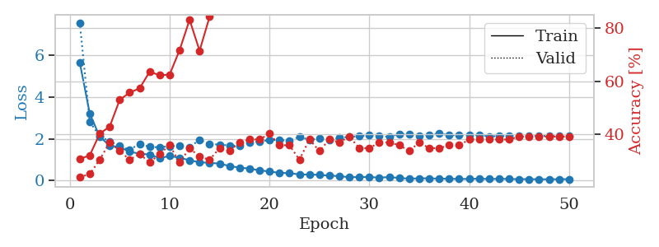
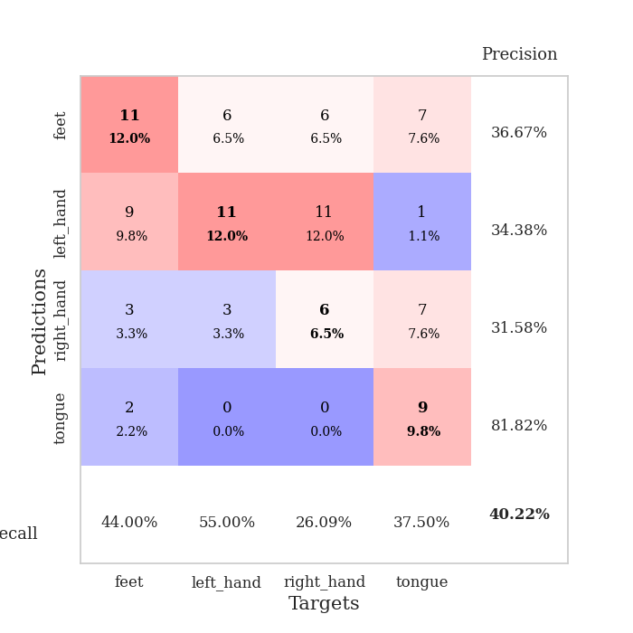
train_loss | valid_loss | train_accuracy | valid_accuracy | dur | train_misclass | valid_misclass
5.6673664425 | 7.5805787418 | 0.30706521739 | 0.23913043478 | 0.11052060127 | 30.706521739 | 23.913043478
3.213575954 | 2.8152327849 | 0.32065217391 | 0.25 | 0.10983681679 | 32.065217391 | 25
2.098187882 | 2.1212450318 | 0.40217391304 | 0.30434782609 | 0.11078763008 | 40.217391304 | 30.434782609
1.6659157483 | 1.8698399067 | 0.42934782609 | 0.36956521739 | 0.10833358765 | 42.934782609 | 36.956521739
1.599531153 | 1.657493752 | 0.52989130435 | 0.33695652174 | 0.1126871109 | 52.989130435 | 33.695652174
1.3750370171 | 1.4731208812 | 0.55706521739 | 0.30434782609 | 0.10667705536 | 55.706521739 | 30.434782609
1.281346487 | 1.7578584163 | 0.57336956522 | 0.32608695652 | 0.1095867157 | 57.336956522 | 32.608695652
1.2432011962 | 1.6070789513 | 0.63586956522 | 0.29347826087 | 0.10515975952 | 63.586956522 | 29.347826087
1.0694020572 | 1.5915879218 | 0.6222826087 | 0.32608695652 | 0.1075925827 | 62.22826087 | 32.608695652
1.1707895541 | 1.6415436838 | 0.625 | 0.35869565217 | 0.11169886589 | 62.5 | 35.869565217
1.0874707077 | 1.6709552433 | 0.71739130435 | 0.29347826087 | 0.10244894028 | 71.739130435 | 29.347826087
0.96429299531 | 1.6045660713 | 0.83152173913 | 0.34782608696 | 0.10607290268 | 83.152173913 | 34.782608696
0.87082639855 | 1.9463187871 | 0.71467391304 | 0.3152173913 | 0.10549926758 | 71.467391304 | 31.52173913
0.84178312447 | 1.7553954176 | 0.84239130435 | 0.30434782609 | 0.10905480385 | 84.239130435 | 30.434782609
0.80647351431 | 1.7148257131 | 0.92391304348 | 0.34782608696 | 0.10730290413 | 92.391304348 | 34.782608696
0.68761803922 | 1.6799850464 | 0.94565217391 | 0.33695652174 | 0.10730218887 | 94.565217391 | 33.695652174
0.61350975607 | 1.6545709268 | 0.98097826087 | 0.36956521739 | 0.11394476891 | 98.097826087 | 36.956521739
0.5650800933 | 1.8393653165 | 0.98641304348 | 0.38043478261 | 0.11029624939 | 98.641304348 | 38.043478261
0.48147270148 | 1.8622239206 | 0.99184782609 | 0.38043478261 | 0.10780096054 | 99.184782609 | 38.043478261
0.42760584536 | 1.9408208184 | 0.98641304348 | 0.40217391304 | 0.1143450737 | 98.641304348 | 40.217391304
0.35865735684 | 1.9372441872 | 0.9972826087 | 0.35869565217 | 0.10055422783 | 99.72826087 | 35.869565217
0.34827251344 | 1.9096847254 | 0.99184782609 | 0.35869565217 | 0.1089117527 | 99.184782609 | 35.869565217
0.28353148796 | 2.0960230568 | 0.99184782609 | 0.30434782609 | 0.10678935051 | 99.184782609 | 30.434782609
0.27913393307 | 1.9542790651 | 1 | 0.38043478261 | 0.10119867325 | 100 | 38.043478261
0.26581301054 | 2.0169086819 | 0.99456521739 | 0.33695652174 | 0.11093497276 | 99.456521739 | 33.695652174
0.22577467982 | 1.9322547291 | 1 | 0.38043478261 | 0.10290265083 | 100 | 38.043478261
0.20496844241 | 2.0447736668 | 1 | 0.36956521739 | 0.10984444618 | 100 | 36.956521739
0.14782573283 | 2.0931205439 | 1 | 0.39130434783 | 0.10607862473 | 100 | 39.130434783
0.16352709286 | 2.1259311438 | 1 | 0.34782608696 | 0.11450886726 | 100 | 34.782608696
0.15927280891 | 2.1632596721 | 1 | 0.34782608696 | 0.10568737984 | 100 | 34.782608696
0.13410765435 | 2.156596982 | 1 | 0.36956521739 | 0.11111211777 | 100 | 36.956521739
0.15317492624 | 2.0810927412 | 1 | 0.36956521739 | 0.1107313633 | 100 | 36.956521739
0.11875339241 | 2.2342780777 | 1 | 0.35869565217 | 0.1079056263 | 100 | 35.869565217
0.07785176753 | 2.1997695228 | 1 | 0.33695652174 | 0.10920286179 | 100 | 33.695652174
0.098997207885 | 2.1579496705 | 1 | 0.36956521739 | 0.10748529434 | 100 | 36.956521739
0.096319084258 | 2.1963041865 | 1 | 0.34782608696 | 0.10212922096 | 100 | 34.782608696
0.08183628758 | 2.2452232838 | 1 | 0.34782608696 | 0.1124958992 | 100 | 34.782608696
0.077016590892 | 2.1725408616 | 1 | 0.35869565217 | 0.10913610458 | 100 | 35.869565217
0.067610596671 | 2.1702917089 | 1 | 0.35869565217 | 0.10525512695 | 100 | 35.869565217
0.069757914454 | 2.1821162027 | 1 | 0.38043478261 | 0.11012244225 | 100 | 38.043478261
0.081857637381 | 2.1726305537 | 1 | 0.38043478261 | 0.10605597496 | 100 | 38.043478261
0.063343853325 | 2.1143123637 | 1 | 0.38043478261 | 0.10651922226 | 100 | 38.043478261
0.077480534658 | 2.1303963506 | 1 | 0.38043478261 | 0.10296344757 | 100 | 38.043478261
0.063969145893 | 2.1260299061 | 1 | 0.38043478261 | 0.10830163956 | 100 | 38.043478261
0.060975368175 | 2.1392238658 | 1 | 0.39130434783 | 0.10248875618 | 100 | 39.130434783
0.058246722931 | 2.1583220233 | 1 | 0.39130434783 | 0.10259914398 | 100 | 39.130434783
0.05400637436 | 2.1396315564 | 1 | 0.39130434783 | 0.10918569565 | 100 | 39.130434783
0.052253664188 | 2.1411141986 | 1 | 0.39130434783 | 0.10828709602 | 100 | 39.130434783
0.057158083371 | 2.1351966184 | 1 | 0.39130434783 | 0.10703110695 | 100 | 39.130434783
0.058011786364 | 2.1293986777 | 1 | 0.39130434783 | 0.10331177711 | 100 | 39.130434783

Best Val accuracy is 0.40217391304347827 and Best test accuracy is 0.4051724137931034

Sheet10
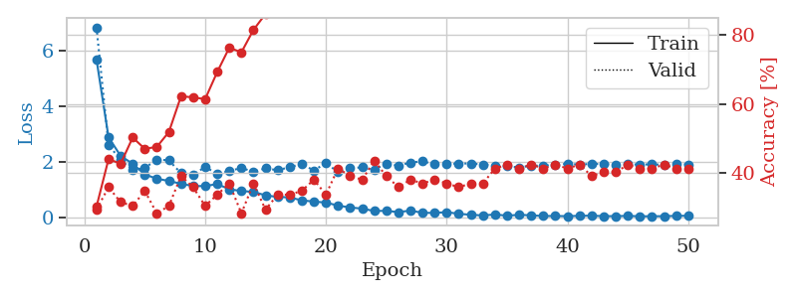
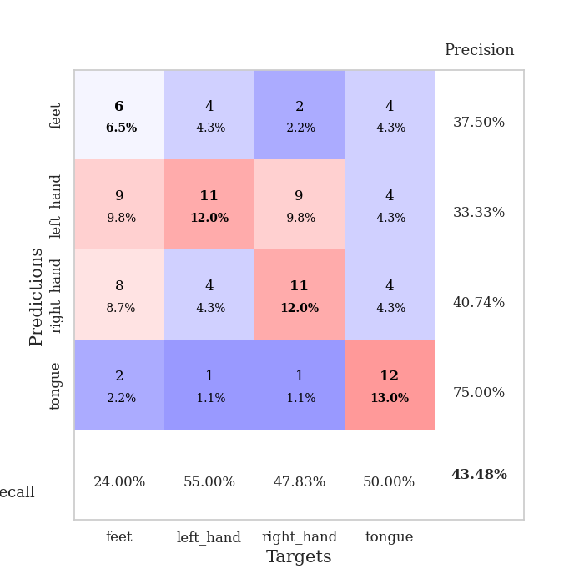
train_loss | valid_loss | train_accuracy | valid_accuracy | dur | train_misclass | valid_misclass
5.6856725631 | 6.8320841893 | 0.30163043478 | 0.29347826087 | 0.1054880619 | 30.163043478 | 29.347826087
2.8889453774 | 2.6235632741 | 0.4402173913 | 0.35869565217 | 0.10201144218 | 44.02173913 | 35.869565217
2.2197487199 | 2.0655020786 | 0.42663043478 | 0.3152173913 | 0.1100730896 | 42.663043478 | 31.52173913
1.938148908 | 1.7196923183 | 0.5027173913 | 0.30434782609 | 0.1072909832 | 50.27173913 | 30.434782609
1.5548048667 | 1.7845094515 | 0.47010869565 | 0.34782608696 | 0.11047244072 | 47.010869565 | 34.782608696
1.4022231076 | 2.0926175532 | 0.47554347826 | 0.28260869565 | 0.10918021202 | 47.554347826 | 28.260869565
1.3216539725 | 2.0580723597 | 0.51902173913 | 0.30434782609 | 0.11102414131 | 51.902173913 | 30.434782609
1.2204593524 | 1.6017804353 | 0.6222826087 | 0.39130434783 | 0.10708403587 | 62.22826087 | 39.130434783
1.1398786669 | 1.5325463129 | 0.61956521739 | 0.35869565217 | 0.10415673256 | 61.956521739 | 35.869565217
1.1374724352 | 1.8290696092 | 0.61413043478 | 0.30434782609 | 0.10824966431 | 61.413043478 | 30.434782609
1.2118083498 | 1.5725026856 | 0.69293478261 | 0.33695652174 | 0.1134159565 | 69.293478261 | 33.695652174
1.0242204588 | 1.6756891738 | 0.76358695652 | 0.36956521739 | 0.10960054398 | 76.358695652 | 36.956521739
0.96032966738 | 1.7909375844 | 0.75 | 0.28260869565 | 0.10863685608 | 75 | 28.260869565
0.93048833505 | 1.649836561 | 0.8152173913 | 0.36956521739 | 0.10719013214 | 81.52173913 | 36.956521739
0.8048004819 | 1.774322007 | 0.86141304348 | 0.29347826087 | 0.10798287392 | 86.141304348 | 29.347826087
0.74820185356 | 1.7076043046 | 0.89673913043 | 0.33695652174 | 0.11199617386 | 89.673913043 | 33.695652174
0.73248816444 | 1.8169202183 | 0.89402173913 | 0.33695652174 | 0.10845184326 | 89.402173913 | 33.695652174
0.62452669636 | 1.9303489716 | 0.91032608696 | 0.34782608696 | 0.10982823372 | 91.032608696 | 34.782608696
0.58219041773 | 1.6977605872 | 0.96467391304 | 0.38043478261 | 0.11093688011 | 96.467391304 | 38.043478261
0.5460297245 | 1.9645180961 | 0.9347826087 | 0.33695652174 | 0.11092281342 | 93.47826087 | 33.695652174
0.43877318761 | 1.6402589394 | 0.97282608696 | 0.41304347826 | 0.10684323311 | 97.282608696 | 41.304347826
0.37082447889 | 1.7772977456 | 0.98369565217 | 0.39130434783 | 0.10320258141 | 98.369565217 | 39.130434783
0.33001899978 | 1.8101081641 | 0.99456521739 | 0.38043478261 | 0.11517691612 | 99.456521739 | 38.043478261
0.24394581402 | 1.7214711438 | 0.9972826087 | 0.4347826087 | 0.10649085045 | 99.72826087 | 43.47826087
0.25067776604 | 1.9480373808 | 0.99184782609 | 0.39130434783 | 0.10157299042 | 99.184782609 | 39.130434783
0.20329887226 | 1.8630615939 | 1 | 0.35869565217 | 0.10646128654 | 100 | 35.869565217
0.25932786581 | 1.9853009815 | 1 | 0.38043478261 | 0.11173176765 | 100 | 38.043478261
0.17812783287 | 2.024658426 | 1 | 0.36956521739 | 0.10447835922 | 100 | 36.956521739
0.17546729387 | 1.9210965063 | 1 | 0.38043478261 | 0.1096200943 | 100 | 38.043478261
0.20391533994 | 1.9230786251 | 1 | 0.36956521739 | 0.099065303802 | 100 | 36.956521739
0.14280585483 | 1.9490927406 | 1 | 0.35869565217 | 0.095413923264 | 100 | 35.869565217
0.1094887996 | 1.9453894004 | 1 | 0.36956521739 | 0.095348596573 | 100 | 36.956521739
0.083916972027 | 1.9134793437 | 1 | 0.36956521739 | 0.095384836197 | 100 | 36.956521739
0.11907100147 | 1.8696726509 | 1 | 0.41304347826 | 0.095205545425 | 100 | 41.304347826
0.075825893928 | 1.8502053644 | 1 | 0.42391304348 | 0.098661899567 | 100 | 42.391304348
0.10733786833 | 1.8065843323 | 1 | 0.41304347826 | 0.095285654068 | 100 | 41.304347826
0.087674543585 | 1.8693314998 | 1 | 0.42391304348 | 0.095342636108 | 100 | 42.391304348
0.064885142948 | 1.8701277764 | 1 | 0.41304347826 | 0.095410823822 | 100 | 41.304347826
0.063308382164 | 1.901719451 | 1 | 0.42391304348 | 0.095364093781 | 100 | 42.391304348
0.059220560907 | 1.9375698929 | 1 | 0.41304347826 | 0.095370292664 | 100 | 41.304347826
0.070624493893 | 1.9089999147 | 1 | 0.42391304348 | 0.095414161682 | 100 | 42.391304348
0.076861377158 | 1.9350687732 | 1 | 0.39130434783 | 0.095316171646 | 100 | 39.130434783
0.058605166274 | 1.9279002573 | 1 | 0.40217391304 | 0.095409393311 | 100 | 40.217391304
0.060229499784 | 1.9043762373 | 1 | 0.40217391304 | 0.095404863358 | 100 | 40.217391304
0.068273046945 | 1.9177857067 | 1 | 0.42391304348 | 0.095552921295 | 100 | 42.391304348
0.053942618446 | 1.9092861725 | 1 | 0.41304347826 | 0.095419406891 | 100 | 41.304347826
0.055599398182 | 1.9179547403 | 1 | 0.41304347826 | 0.099021911621 | 100 | 41.304347826
0.058232608089 | 1.9000190704 | 1 | 0.42391304348 | 0.095370292664 | 100 | 42.391304348
0.068496947136 | 1.9283498007 | 1 | 0.41304347826 | 0.095377445221 | 100 | 41.304347826
0.073262771632 | 1.9124158984 | 1 | 0.41304347826 | 0.095510005951 | 100 | 41.304347826

Best Val accuracy is 0.43478260869565216 and Best test accuracy is 0.5086206896551724

