Sheet
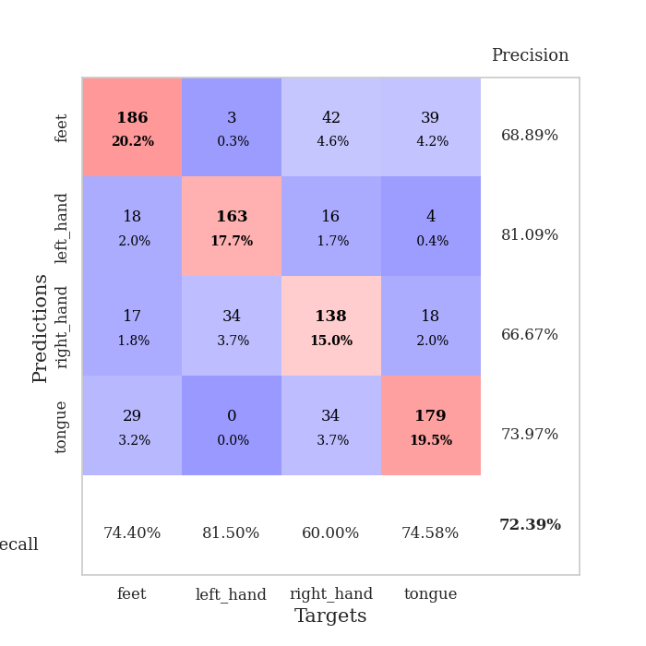
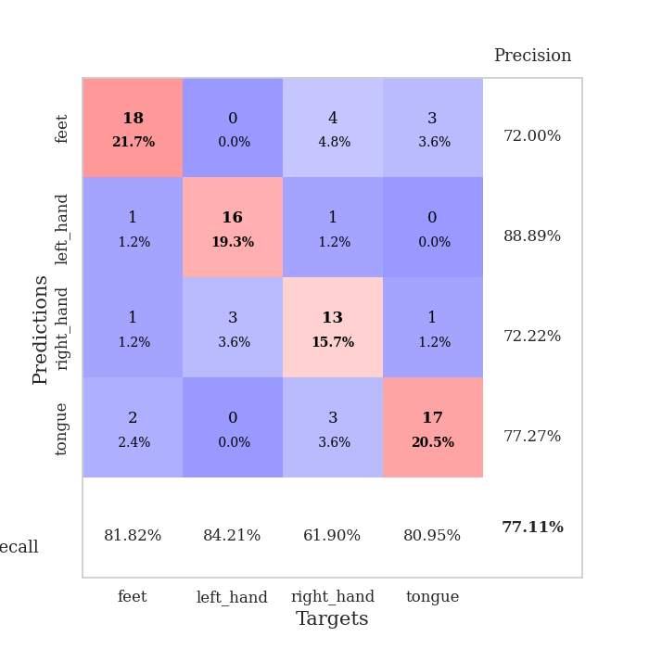
best_val_acc | best_val_los | best_test_acc
0.71739130435 | 1.034016972 | 0.53448275862
0.76086956522 | 0.79389951022 | 0.62068965517
0.75 | 1.0035784141 | 0.66379310345
0.73913043478 | 0.93724689276 | 0.63793103448
0.71739130435 | 0.95624612725 | 0.64655172414
0.70652173913 | 0.91523953106 | 0.59482758621
0.75 | 0.84589760848 | 0.60344827586
0.67391304348 | 1.1172082372 | 0.5775862069
0.67391304348 | 1.0503703822 | 0.5775862069
0.75 | 0.83429159807 | 0.63793103448

Mean,std Val accuracy is 0.7239130434782608 , 0.03166923678755386 and mean, std test accuracy is 0.6094827586206897 , 0.03941079120918092

Sheet1
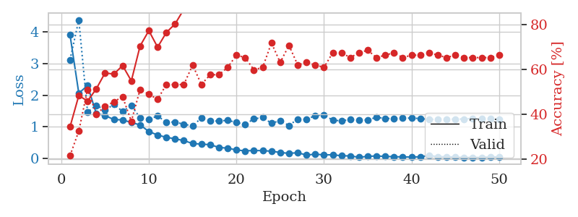
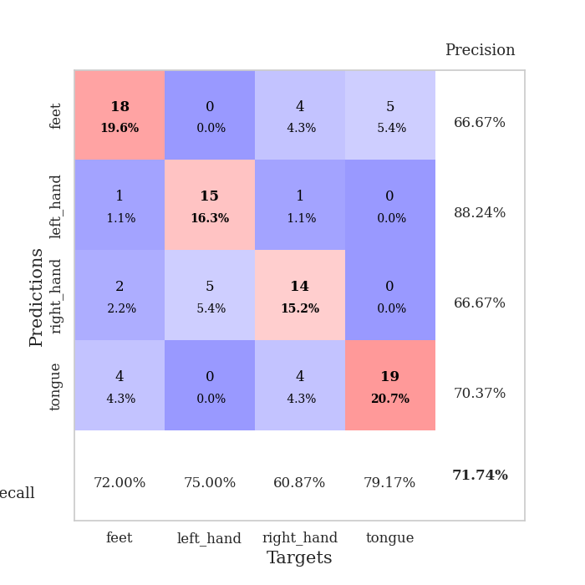
train_loss | valid_loss | train_accuracy | valid_accuracy | dur | train_misclass | valid_misclass
3.8982623712 | 3.1209090274 | 0.34510869565 | 0.21739130435 | 0.096220016479 | 34.510869565 | 21.739130435
2.0629219646 | 4.3768697096 | 0.48369565217 | 0.32608695652 | 0.095270633698 | 48.369565217 | 32.608695652
2.3061706398 | 1.4679107718 | 0.45923913043 | 0.51086956522 | 0.094720840454 | 45.923913043 | 51.086956522
1.4176643698 | 1.6823161581 | 0.51358695652 | 0.40217391304 | 0.095283031464 | 51.358695652 | 40.217391304
1.3616137479 | 1.530566625 | 0.58423913043 | 0.4347826087 | 0.099868059158 | 58.423913043 | 43.47826087
1.2299089484 | 1.7088012022 | 0.57880434783 | 0.45652173913 | 0.098829030991 | 57.880434783 | 45.652173913
1.2235734851 | 1.4913455611 | 0.61684782609 | 0.47826086957 | 0.10221886635 | 61.684782609 | 47.826086957
1.1382748459 | 1.671844047 | 0.54891304348 | 0.36956521739 | 0.094820976257 | 54.891304348 | 36.956521739
1.0633781708 | 1.2877356255 | 0.70380434783 | 0.51086956522 | 0.098460912704 | 70.380434783 | 51.086956522
0.85367239817 | 1.2342841003 | 0.77173913043 | 0.48913043478 | 0.10241365433 | 77.173913043 | 48.913043478
0.74420819075 | 1.3455670398 | 0.69836956522 | 0.46739130435 | 0.10296678543 | 69.836956522 | 46.739130435
0.66994208486 | 1.1457645401 | 0.76358695652 | 0.53260869565 | 0.095429897308 | 76.358695652 | 53.260869565
0.62593676733 | 1.155787639 | 0.80163043478 | 0.53260869565 | 0.096849679947 | 80.163043478 | 53.260869565
0.56582073155 | 1.0816720957 | 0.86684782609 | 0.53260869565 | 0.10906243324 | 86.684782609 | 53.260869565
0.47663688465 | 1.034016972 | 0.89945652174 | 0.61956521739 | 0.10391187668 | 89.945652174 | 61.956521739
0.45576209931 | 1.2811659056 | 0.89402173913 | 0.53260869565 | 0.10579919815 | 89.402173913 | 53.260869565
0.43979694986 | 1.1944081991 | 0.96467391304 | 0.57608695652 | 0.1011660099 | 96.467391304 | 57.608695652
0.35113841846 | 1.1815358089 | 0.94565217391 | 0.57608695652 | 0.11103796959 | 94.565217391 | 57.608695652
0.3302558667 | 1.2106176874 | 0.95923913043 | 0.60869565217 | 0.10693645477 | 95.923913043 | 60.869565217
0.27039154846 | 1.1387062332 | 0.97554347826 | 0.66304347826 | 0.10579514503 | 97.554347826 | 66.304347826
0.24506195473 | 1.0768617651 | 0.98641304348 | 0.65217391304 | 0.10421156883 | 98.641304348 | 65.217391304
0.254188044 | 1.2548840201 | 0.98913043478 | 0.59782608696 | 0.099071025848 | 98.913043478 | 59.782608696
0.25140550554 | 1.2953232371 | 0.97010869565 | 0.60869565217 | 0.10859870911 | 97.010869565 | 60.869565217
0.23232155455 | 1.1171095941 | 0.9972826087 | 0.71739130435 | 0.102653265 | 99.72826087 | 71.739130435
0.19359657946 | 1.1965960005 | 0.9972826087 | 0.63043478261 | 0.11075878143 | 99.72826087 | 63.043478261
0.16483410529 | 1.0439737724 | 1 | 0.70652173913 | 0.10685157776 | 100 | 70.652173913
0.18606342456 | 1.2489106966 | 1 | 0.61956521739 | 0.10918831825 | 100 | 61.956521739
0.11103569263 | 1.2318128399 | 1 | 0.63043478261 | 0.10608410835 | 100 | 63.043478261
0.13985735113 | 1.3593076727 | 0.9972826087 | 0.61956521739 | 0.10752868652 | 99.72826087 | 61.956521739
0.11622120189 | 1.3816042672 | 0.9972826087 | 0.60869565217 | 0.10949134827 | 99.72826087 | 60.869565217
0.12004434382 | 1.2108053902 | 1 | 0.67391304348 | 0.1053571701 | 100 | 67.391304348
0.089207803831 | 1.1920984154 | 1 | 0.67391304348 | 0.10586237907 | 100 | 67.391304348
0.084042716974 | 1.2298328151 | 1 | 0.65217391304 | 0.10190415382 | 100 | 65.217391304
0.042294355271 | 1.2096255396 | 1 | 0.67391304348 | 0.10384869576 | 100 | 67.391304348
0.069991381272 | 1.2194904244 | 1 | 0.6847826087 | 0.1087770462 | 100 | 68.47826087
0.083330225928 | 1.3049192221 | 1 | 0.65217391304 | 0.10869979858 | 100 | 65.217391304
0.067917641738 | 1.2628960039 | 1 | 0.66304347826 | 0.11156463623 | 100 | 66.304347826
0.060342368508 | 1.2712904474 | 1 | 0.67391304348 | 0.10508704185 | 100 | 67.391304348
0.052110395232 | 1.2735677491 | 1 | 0.65217391304 | 0.11215376854 | 100 | 65.217391304
0.050151557378 | 1.2805505006 | 1 | 0.66304347826 | 0.1050992012 | 100 | 66.304347826
0.055388688798 | 1.2631443065 | 1 | 0.66304347826 | 0.1028342247 | 100 | 66.304347826
0.1001239568 | 1.2352277559 | 1 | 0.67391304348 | 0.10514760017 | 100 | 67.391304348
0.057571701382 | 1.2444344344 | 1 | 0.66304347826 | 0.10427331924 | 100 | 66.304347826
0.061533886656 | 1.2387530337 | 1 | 0.65217391304 | 0.11093854904 | 100 | 65.217391304
0.047725186724 | 1.2465870121 | 1 | 0.66304347826 | 0.10863542557 | 100 | 66.304347826
0.034200619947 | 1.2489214773 | 1 | 0.65217391304 | 0.1021091938 | 100 | 65.217391304
0.037453872253 | 1.2635828879 | 1 | 0.65217391304 | 0.1082713604 | 100 | 65.217391304
0.037145666535 | 1.2586254555 | 1 | 0.65217391304 | 0.10175800323 | 100 | 65.217391304
0.055514955043 | 1.258941272 | 1 | 0.65217391304 | 0.11046075821 | 100 | 65.217391304
0.052622514696 | 1.2461589367 | 1 | 0.66304347826 | 0.10608506203 | 100 | 66.304347826

Best Val accuracy is 0.717391304347826 and Best test accuracy is 0.5344827586206896

Sheet2
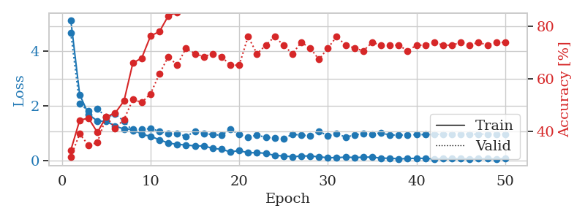
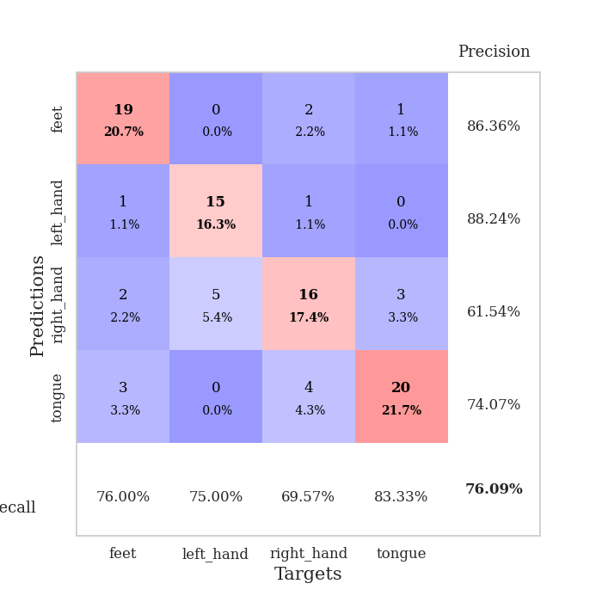
train_loss | valid_loss | train_accuracy | valid_accuracy | dur | train_misclass | valid_misclass
5.1517702704 | 4.6766110918 | 0.32880434783 | 0.30434782609 | 0.10139918327 | 32.880434783 | 30.434782609
2.4162964717 | 2.0788465738 | 0.44293478261 | 0.39130434783 | 0.10620427132 | 44.293478261 | 39.130434783
1.6914839485 | 1.8145358511 | 0.45108695652 | 0.34782608696 | 0.10869312286 | 45.108695652 | 34.782608696
1.4402598842 | 1.9068633422 | 0.39673913043 | 0.35869565217 | 0.11002969742 | 39.673913043 | 35.869565217
1.4356783758 | 1.5650487309 | 0.45652173913 | 0.45652173913 | 0.10902166367 | 45.652173913 | 45.652173913
1.2567502986 | 1.7027469977 | 0.47010869565 | 0.41304347826 | 0.11205649376 | 47.010869565 | 41.304347826
1.150338445 | 1.439848239 | 0.51630434783 | 0.44565217391 | 0.11079764366 | 51.630434783 | 44.565217391
1.1450112177 | 1.0779676956 | 0.66032608696 | 0.52173913043 | 0.10920953751 | 66.032608696 | 52.173913043
0.9505620236 | 1.1448105418 | 0.67934782609 | 0.51086956522 | 0.10277080536 | 67.934782609 | 51.086956522
0.88669208599 | 1.1623225523 | 0.76358695652 | 0.54347826087 | 0.10835289955 | 76.358695652 | 54.347826087
0.75139812672 | 1.071204893 | 0.77989130435 | 0.61956521739 | 0.1090157032 | 77.989130435 | 61.956521739
0.63737051448 | 0.98239172023 | 0.83967391304 | 0.6847826087 | 0.10704445839 | 83.967391304 | 68.47826087
0.58589735757 | 0.99137365818 | 0.85326086957 | 0.65217391304 | 0.10593175888 | 85.326086957 | 65.217391304
0.56549232809 | 0.8777871417 | 0.89945652174 | 0.71739130435 | 0.10744476318 | 89.945652174 | 71.739130435
0.52663534556 | 1.0605854781 | 0.91304347826 | 0.69565217391 | 0.10595774651 | 91.304347826 | 69.565217391
0.52938951617 | 0.99429787242 | 0.88858695652 | 0.6847826087 | 0.10870718956 | 88.858695652 | 68.47826087
0.44197453818 | 0.94365309632 | 0.91032608696 | 0.69565217391 | 0.1056265831 | 91.032608696 | 69.565217391
0.40577555869 | 0.92286371148 | 0.89402173913 | 0.6847826087 | 0.11065030098 | 89.402173913 | 68.47826087
0.31062971282 | 1.1465889786 | 0.92119565217 | 0.65217391304 | 0.10868597031 | 92.119565217 | 65.217391304
0.35738272382 | 0.95330884146 | 0.95380434783 | 0.65217391304 | 0.11026382446 | 95.380434783 | 65.217391304
0.27692709993 | 0.84708674058 | 0.98097826087 | 0.76086956522 | 0.10512518883 | 98.097826087 | 76.086956522
0.28184221037 | 0.92504737688 | 0.94836956522 | 0.69565217391 | 0.10663294792 | 94.836956522 | 69.565217391
0.25763188141 | 0.84569560704 | 0.98641304348 | 0.72826086957 | 0.1048271656 | 98.641304348 | 72.826086957
0.17871875786 | 0.81959391418 | 0.98097826087 | 0.76086956522 | 0.10817360878 | 98.097826087 | 76.086956522
0.16297456031 | 0.79389951022 | 0.99184782609 | 0.72826086957 | 0.10916185379 | 99.184782609 | 72.826086957
0.12934128843 | 0.95601615439 | 0.99456521739 | 0.69565217391 | 0.1087436676 | 99.456521739 | 69.565217391
0.15979107664 | 0.92882732464 | 0.9972826087 | 0.73913043478 | 0.11077642441 | 99.72826087 | 73.913043478
0.15782623779 | 0.89769088963 | 0.99184782609 | 0.71739130435 | 0.1088283062 | 99.184782609 | 71.739130435
0.12968654307 | 1.0671474493 | 0.99184782609 | 0.67391304348 | 0.10430312157 | 99.184782609 | 67.391304348
0.095195709687 | 0.90236935149 | 0.9972826087 | 0.71739130435 | 0.10498666763 | 99.72826087 | 71.739130435
0.10188214258 | 0.97839332663 | 0.9972826087 | 0.76086956522 | 0.11204457283 | 99.72826087 | 76.086956522
0.11465262711 | 0.85443179763 | 1 | 0.72826086957 | 0.11179733276 | 100 | 72.826086957
0.10677362096 | 0.92914755966 | 0.9972826087 | 0.71739130435 | 0.10547709465 | 99.72826087 | 71.739130435
0.11118903799 | 0.98261135817 | 1 | 0.70652173913 | 0.10851693153 | 100 | 70.652173913
0.12271689761 | 0.96783737514 | 1 | 0.73913043478 | 0.11301469803 | 100 | 73.913043478
0.076115088456 | 1.0059534363 | 1 | 0.72826086957 | 0.10624814034 | 100 | 72.826086957
0.079921720307 | 0.92640529249 | 1 | 0.72826086957 | 0.11043953896 | 100 | 72.826086957
0.053606785996 | 0.92738428064 | 1 | 0.72826086957 | 0.10631752014 | 100 | 72.826086957
0.065158241003 | 0.93801592226 | 1 | 0.70652173913 | 0.110216856 | 100 | 70.652173913
0.075983406004 | 0.94285815436 | 1 | 0.72826086957 | 0.10601186752 | 100 | 72.826086957
0.07041064915 | 0.94565078227 | 1 | 0.72826086957 | 0.11054396629 | 100 | 72.826086957
0.050367312182 | 0.94883091294 | 1 | 0.73913043478 | 0.10429215431 | 100 | 73.913043478
0.06797140116 | 0.96454436364 | 1 | 0.72826086957 | 0.11038541794 | 100 | 72.826086957
0.057467201401 | 0.96561861557 | 1 | 0.72826086957 | 0.10309433937 | 100 | 72.826086957
0.063063747412 | 0.96737856709 | 1 | 0.73913043478 | 0.1080262661 | 100 | 73.913043478
0.054988109709 | 0.96035251151 | 1 | 0.72826086957 | 0.1080596447 | 100 | 72.826086957
0.057205341331 | 0.9621146399 | 1 | 0.73913043478 | 0.10802173615 | 100 | 73.913043478
0.067476908838 | 0.96514463684 | 1 | 0.72826086957 | 0.10925650597 | 100 | 72.826086957
0.050925717365 | 0.96258887778 | 1 | 0.73913043478 | 0.11239743233 | 100 | 73.913043478
0.074227498055 | 0.95873743037 | 1 | 0.73913043478 | 0.10655641556 | 100 | 73.913043478

Best Val accuracy is 0.7608695652173914 and Best test accuracy is 0.6206896551724138

Sheet3
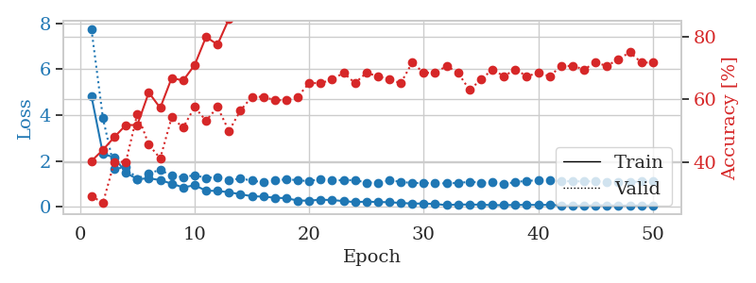
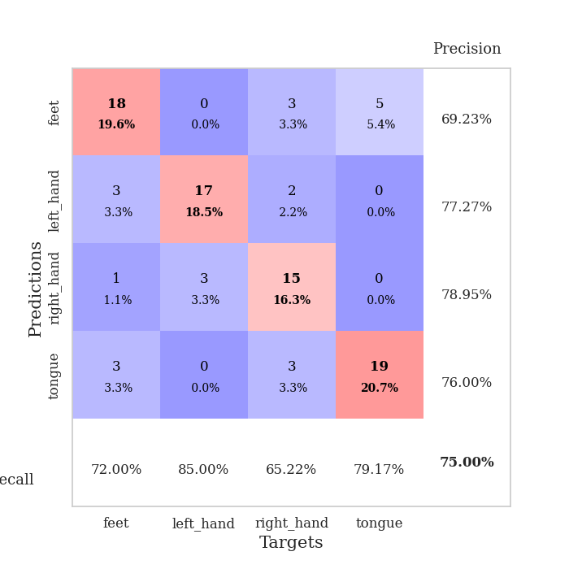
train_loss | valid_loss | train_accuracy | valid_accuracy | dur | train_misclass | valid_misclass
4.814040298 | 7.7249956753 | 0.40489130435 | 0.29347826087 | 0.10731172562 | 40.489130435 | 29.347826087
2.3077675571 | 3.8608043712 | 0.4402173913 | 0.27173913043 | 0.10352158546 | 44.02173913 | 27.173913043
2.1571321099 | 1.6638149956 | 0.48097826087 | 0.40217391304 | 0.10435771942 | 48.097826087 | 40.217391304
1.4869322569 | 1.7196451737 | 0.51902173913 | 0.40217391304 | 0.10979056358 | 51.902173913 | 40.217391304
1.208735225 | 1.2221091778 | 0.51902173913 | 0.55434782609 | 0.11058425903 | 51.902173913 | 55.434782609
1.2469608758 | 1.4697341141 | 0.6222826087 | 0.45652173913 | 0.10184454918 | 62.22826087 | 45.652173913
1.1678541355 | 1.6073693866 | 0.57336956522 | 0.41304347826 | 0.11143565178 | 57.336956522 | 41.304347826
1.0120573821 | 1.3657148351 | 0.66847826087 | 0.54347826087 | 0.10844182968 | 66.847826087 | 54.347826087
0.84987443945 | 1.2951240902 | 0.66032608696 | 0.51086956522 | 0.10040402412 | 66.032608696 | 51.086956522
0.94320826168 | 1.3833742764 | 0.70923913043 | 0.57608695652 | 0.10738897324 | 70.923913043 | 57.608695652
0.70763987562 | 1.2611858948 | 0.79891304348 | 0.53260869565 | 0.10859298706 | 79.891304348 | 53.260869565
0.69647081909 | 1.2988270314 | 0.77445652174 | 0.57608695652 | 0.10721611977 | 77.445652174 | 57.608695652
0.63908120083 | 1.1722749368 | 0.85597826087 | 0.5 | 0.10302686691 | 85.597826087 | 50
0.55084979793 | 1.2298318407 | 0.88043478261 | 0.5652173913 | 0.10505723953 | 88.043478261 | 56.52173913
0.4669542196 | 1.1536727366 | 0.89130434783 | 0.60869565217 | 0.09992980957 | 89.130434783 | 60.869565217
0.44702783292 | 1.0645359444 | 0.92934782609 | 0.60869565217 | 0.10246634483 | 92.934782609 | 60.869565217
0.40135770939 | 1.1496625206 | 0.92119565217 | 0.59782608696 | 0.10933589935 | 92.119565217 | 59.782608696
0.37953188529 | 1.2033718824 | 0.95652173913 | 0.59782608696 | 0.10890817642 | 95.652173913 | 59.782608696
0.27740620692 | 1.1653957004 | 0.94836956522 | 0.60869565217 | 0.10463142395 | 94.836956522 | 60.869565217
0.27300580089 | 1.1171765327 | 0.94836956522 | 0.65217391304 | 0.10508108139 | 94.836956522 | 65.217391304
0.31502447747 | 1.222533708 | 0.95108695652 | 0.65217391304 | 0.11263489723 | 95.108695652 | 65.217391304
0.29742938879 | 1.1684903839 | 0.98913043478 | 0.66304347826 | 0.10576581955 | 98.913043478 | 66.304347826
0.25553862524 | 1.1572052992 | 0.98369565217 | 0.6847826087 | 0.1092133522 | 98.369565217 | 68.47826087
0.2088355665 | 1.1691868279 | 0.95380434783 | 0.65217391304 | 0.09984254837 | 95.380434783 | 65.217391304
0.23081018144 | 1.0592483982 | 0.98369565217 | 0.6847826087 | 0.099217176437 | 98.369565217 | 68.47826087
0.21327918509 | 1.0446398051 | 0.97826086957 | 0.67391304348 | 0.10341978073 | 97.826086957 | 67.391304348
0.20326481565 | 1.1490929749 | 0.98641304348 | 0.66304347826 | 0.10639166832 | 98.641304348 | 66.304347826
0.17335907896 | 1.0968361989 | 0.99456521739 | 0.65217391304 | 0.11130166054 | 99.456521739 | 65.217391304
0.14619486244 | 1.0347719918 | 0.98641304348 | 0.71739130435 | 0.11394286156 | 98.641304348 | 71.739130435
0.14652299881 | 1.0461657462 | 0.9972826087 | 0.6847826087 | 0.10959267616 | 99.72826087 | 68.47826087
0.12936753253 | 1.0297778016 | 0.98641304348 | 0.6847826087 | 0.10730004311 | 98.641304348 | 68.47826087
0.07615241376 | 1.025658566 | 0.98641304348 | 0.70652173913 | 0.1085870266 | 98.641304348 | 70.652173913
0.10931073072 | 1.0436924748 | 0.9972826087 | 0.6847826087 | 0.11273646355 | 99.72826087 | 68.47826087
0.098702718949 | 1.0912700114 | 0.99184782609 | 0.63043478261 | 0.10936665535 | 99.184782609 | 63.043478261
0.10056420059 | 1.0591448468 | 0.99184782609 | 0.66304347826 | 0.10815882683 | 99.184782609 | 66.304347826
0.076038090593 | 1.0652057762 | 0.99184782609 | 0.69565217391 | 0.11084747314 | 99.184782609 | 69.565217391
0.077178326071 | 1.0035784141 | 1 | 0.67391304348 | 0.1044626236 | 100 | 67.391304348
0.08568767604 | 1.0802606863 | 1 | 0.69565217391 | 0.10505795479 | 100 | 69.565217391
0.088674803507 | 1.1400655353 | 1 | 0.67391304348 | 0.10220265388 | 100 | 67.391304348
0.086467930075 | 1.1530885178 | 1 | 0.6847826087 | 0.11114692688 | 100 | 68.47826087
0.090250026232 | 1.1478956419 | 1 | 0.67391304348 | 0.10687685013 | 100 | 67.391304348
0.065277471288 | 1.1190942681 | 1 | 0.70652173913 | 0.10964584351 | 100 | 70.652173913
0.062828432627 | 1.1164808351 | 1 | 0.70652173913 | 0.11244392395 | 100 | 70.652173913
0.059304630789 | 1.1114516725 | 1 | 0.69565217391 | 0.11087036133 | 100 | 69.565217391
0.071742003703 | 1.1173075956 | 1 | 0.71739130435 | 0.11100387573 | 100 | 71.739130435
0.073575003467 | 1.0959713925 | 1 | 0.70652173913 | 0.10919690132 | 100 | 70.652173913
0.057821606974 | 1.0982854107 | 1 | 0.72826086957 | 0.10559344292 | 100 | 72.826086957
0.064390646071 | 1.0825603242 | 1 | 0.75 | 0.10577249527 | 100 | 75
0.062252931388 | 1.1086379341 | 1 | 0.71739130435 | 0.10618066788 | 100 | 71.739130435
0.063921687051 | 1.116207439 | 1 | 0.71739130435 | 0.10790324211 | 100 | 71.739130435

Best Val accuracy is 0.75 and Best test accuracy is 0.6637931034482759

Sheet4
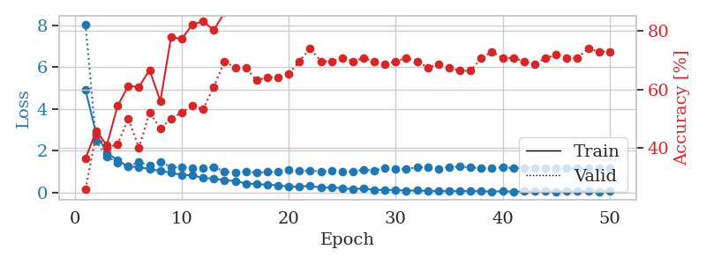
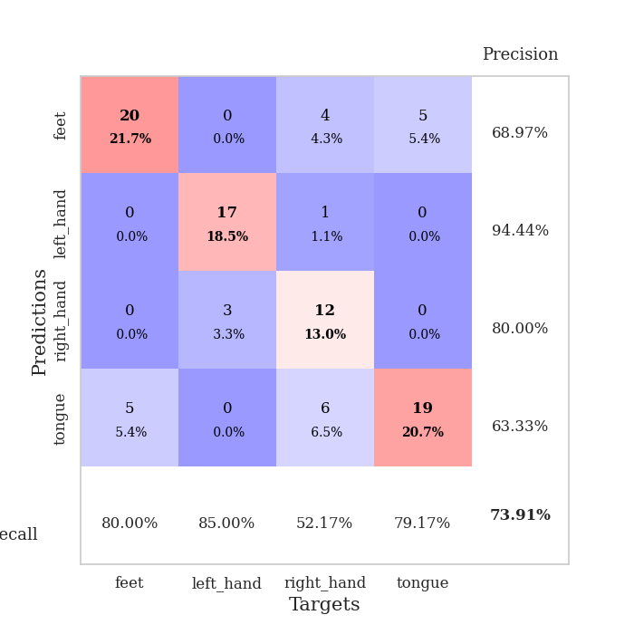
train_loss | valid_loss | train_accuracy | valid_accuracy | dur | train_misclass | valid_misclass
4.9311226866 | 8.0690129529 | 0.36413043478 | 0.26086956522 | 0.1039712429 | 36.413043478 | 26.086956522
2.8195648971 | 2.4523515131 | 0.45923913043 | 0.44565217391 | 0.1037106514 | 45.923913043 | 44.565217391
1.8974956015 | 1.7150589435 | 0.41032608696 | 0.40217391304 | 0.10574316978 | 41.032608696 | 40.217391304
1.5433538997 | 1.4283335261 | 0.54347826087 | 0.41304347826 | 0.10605978966 | 54.347826087 | 41.304347826
1.2298497817 | 1.2549190936 | 0.61141304348 | 0.5 | 0.10579514503 | 61.141304348 | 50
1.2252271357 | 1.438975018 | 0.60869565217 | 0.40217391304 | 0.10449361801 | 60.869565217 | 40.217391304
1.1070149826 | 1.3059285775 | 0.66576086957 | 0.52173913043 | 0.10693359375 | 66.576086957 | 52.173913043
1.0395287586 | 1.4498217002 | 0.5597826087 | 0.46739130435 | 0.1060526371 | 55.97826087 | 46.739130435
0.93748484617 | 1.2163011095 | 0.77717391304 | 0.5 | 0.10871767998 | 77.717391304 | 50
0.83730305796 | 1.1987590116 | 0.77173913043 | 0.52173913043 | 0.10203385353 | 77.173913043 | 52.173913043
0.8162894534 | 1.1589905179 | 0.82065217391 | 0.54347826087 | 0.10485768318 | 82.065217391 | 54.347826087
0.69269574725 | 1.1760556439 | 0.83152173913 | 0.53260869565 | 0.10700035095 | 83.152173913 | 53.260869565
0.65475023052 | 1.2141831854 | 0.80163043478 | 0.60869565217 | 0.10924267769 | 80.163043478 | 60.869565217
0.58503169923 | 1.0011557341 | 0.86141304348 | 0.69565217391 | 0.11041522026 | 86.141304348 | 69.565217391
0.54461441027 | 0.93724689276 | 0.92119565217 | 0.67391304348 | 0.10900425911 | 92.119565217 | 67.391304348
0.42197723492 | 1.0111515263 | 0.92663043478 | 0.67391304348 | 0.10886883736 | 92.663043478 | 67.391304348
0.39549829131 | 0.94294289921 | 0.92391304348 | 0.63043478261 | 0.10362672806 | 92.391304348 | 63.043478261
0.37061766956 | 0.97754487266 | 0.97826086957 | 0.64130434783 | 0.10870599747 | 97.826086957 | 64.130434783
0.33695935911 | 0.97976285997 | 0.95923913043 | 0.64130434783 | 0.10203957558 | 95.923913043 | 64.130434783
0.27835244394 | 1.0891535075 | 0.96195652174 | 0.65217391304 | 0.10805940628 | 96.195652174 | 65.217391304
0.26282840902 | 1.0214494259 | 0.98641304348 | 0.69565217391 | 0.10807561874 | 98.641304348 | 69.565217391
0.32104791409 | 1.0463729319 | 0.99184782609 | 0.73913043478 | 0.11500859261 | 99.184782609 | 73.913043478
0.21703689869 | 1.0042718131 | 0.9972826087 | 0.69565217391 | 0.10915064812 | 99.72826087 | 69.565217391
0.24465556362 | 1.0331589398 | 0.98913043478 | 0.69565217391 | 0.10365629196 | 98.913043478 | 69.565217391
0.19311307946 | 0.98429974525 | 0.99456521739 | 0.70652173913 | 0.10524892807 | 99.456521739 | 70.652173913
0.15193674317 | 1.0100595225 | 0.98913043478 | 0.69565217391 | 0.10996556282 | 98.913043478 | 69.565217391
0.18813098983 | 1.0854759994 | 0.99184782609 | 0.70652173913 | 0.10457992554 | 99.184782609 | 70.652173913
0.11731424025 | 1.0414011997 | 0.9972826087 | 0.69565217391 | 0.10777854919 | 99.72826087 | 69.565217391
0.11537206116 | 1.1830441952 | 0.9972826087 | 0.6847826087 | 0.11203098297 | 99.72826087 | 68.47826087
0.11576827696 | 1.1217744817 | 0.9972826087 | 0.69565217391 | 0.10679268837 | 99.72826087 | 69.565217391
0.071599316824 | 1.1056206071 | 0.9972826087 | 0.70652173913 | 0.10822224617 | 99.72826087 | 70.652173913
0.093377660231 | 1.211566583 | 1 | 0.69565217391 | 0.1078517437 | 100 | 69.565217391
0.066124825192 | 1.2035064697 | 0.9972826087 | 0.67391304348 | 0.11100506783 | 99.72826087 | 67.391304348
0.058178647138 | 1.1416243833 | 1 | 0.6847826087 | 0.11657118797 | 100 | 68.47826087
0.055913893465 | 1.2148160105 | 1 | 0.67391304348 | 0.10727310181 | 100 | 67.391304348
0.06033671538 | 1.2275791531 | 1 | 0.66304347826 | 0.10544013977 | 100 | 66.304347826
0.062447484988 | 1.1985802961 | 1 | 0.66304347826 | 0.10516571999 | 100 | 66.304347826
0.049849499999 | 1.1582708307 | 1 | 0.70652173913 | 0.11765885353 | 100 | 70.652173913
0.043279953443 | 1.1567441536 | 1 | 0.72826086957 | 0.11705088615 | 100 | 72.826086957
0.053423812977 | 1.1996477531 | 1 | 0.70652173913 | 0.10882258415 | 100 | 70.652173913
0.03457444311 | 1.1668471253 | 1 | 0.70652173913 | 0.1092171669 | 100 | 70.652173913
0.046591971596 | 1.1762565634 | 1 | 0.69565217391 | 0.1080391407 | 100 | 69.565217391
0.045773048318 | 1.1502699075 | 1 | 0.6847826087 | 0.10720872879 | 100 | 68.47826087
0.055639428917 | 1.1704134008 | 1 | 0.70652173913 | 0.10561537743 | 100 | 70.652173913
0.044037647728 | 1.1588371992 | 1 | 0.71739130435 | 0.10899949074 | 100 | 71.739130435
0.050538342244 | 1.1578132951 | 1 | 0.70652173913 | 0.10779690742 | 100 | 70.652173913
0.05070147713 | 1.1565746898 | 1 | 0.70652173913 | 0.10806941986 | 100 | 70.652173913
0.071169962378 | 1.1586875864 | 1 | 0.73913043478 | 0.10234451294 | 100 | 73.913043478
0.041319165885 | 1.1504595694 | 1 | 0.72826086957 | 0.11144971848 | 100 | 72.826086957
0.065061145796 | 1.1679896013 | 1 | 0.72826086957 | 0.10747599602 | 100 | 72.826086957

Best Val accuracy is 0.7391304347826086 and Best test accuracy is 0.6379310344827587

Sheet5
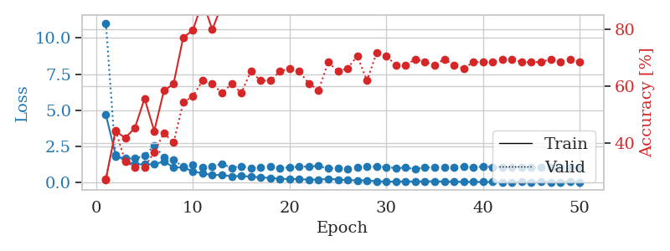
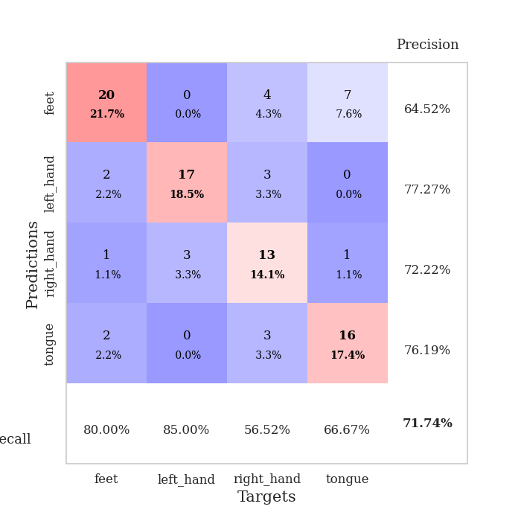
train_loss | valid_loss | train_accuracy | valid_accuracy | dur | train_misclass | valid_misclass
4.6878518955 | 11.02286911 | 0.27445652174 | 0.27173913043 | 0.10707759857 | 27.445652174 | 27.173913043
1.949684454 | 1.8175096875 | 0.44293478261 | 0.44565217391 | 0.11256527901 | 44.293478261 | 44.565217391
1.5012026559 | 1.6799387258 | 0.41847826087 | 0.33695652174 | 0.1068675518 | 41.847826087 | 33.695652174
1.2692038935 | 1.6686005333 | 0.45380434783 | 0.3152173913 | 0.10996317863 | 45.380434783 | 31.52173913
1.268341023 | 1.8692057185 | 0.55706521739 | 0.3152173913 | 0.10888195038 | 55.706521739 | 31.52173913
1.2674330784 | 2.5653856785 | 0.44293478261 | 0.36956521739 | 0.10998916626 | 44.293478261 | 36.956521739
1.4753466378 | 1.7727438626 | 0.58423913043 | 0.4347826087 | 0.11424708366 | 58.423913043 | 43.47826087
1.0548224475 | 1.5824624611 | 0.60869565217 | 0.40217391304 | 0.10452270508 | 60.869565217 | 40.217391304
1.0529330049 | 1.0923175864 | 0.77173913043 | 0.54347826087 | 0.10874772072 | 77.173913043 | 54.347826087
0.79049177273 | 1.2253789539 | 0.79619565217 | 0.5652173913 | 0.10692501068 | 79.619565217 | 56.52173913
0.64405260008 | 1.0350935148 | 0.89945652174 | 0.61956521739 | 0.10931324959 | 89.945652174 | 61.956521739
0.53958397197 | 1.1296359923 | 0.79891304348 | 0.60869565217 | 0.11264967918 | 79.891304348 | 60.869565217
0.52428797341 | 1.3024039735 | 0.88586956522 | 0.57608695652 | 0.1034989357 | 88.586956522 | 57.608695652
0.4443226928 | 1.0304122438 | 0.86956521739 | 0.60869565217 | 0.10547065735 | 86.956521739 | 60.869565217
0.46359326496 | 1.1417357922 | 0.89673913043 | 0.57608695652 | 0.10464429855 | 89.673913043 | 57.608695652
0.42140280326 | 1.0130019914 | 0.94293478261 | 0.65217391304 | 0.11190056801 | 94.293478261 | 65.217391304
0.37076333975 | 1.0749156786 | 0.93206521739 | 0.61956521739 | 0.11247229576 | 93.206521739 | 61.956521739
0.32880866301 | 1.1181428536 | 0.91847826087 | 0.61956521739 | 0.10214471817 | 91.847826087 | 61.956521739
0.26440672917 | 1.0115340741 | 0.97826086957 | 0.65217391304 | 0.10890626907 | 97.826086957 | 65.217391304
0.25663693905 | 1.060874685 | 0.97010869565 | 0.66304347826 | 0.11191892624 | 97.010869565 | 66.304347826
0.24925051435 | 1.0966315788 | 0.95652173913 | 0.65217391304 | 0.10547924042 | 95.652173913 | 65.217391304
0.21382218814 | 1.1259099815 | 0.98913043478 | 0.60869565217 | 0.10982298851 | 98.913043478 | 60.869565217
0.21205426283 | 1.1515776696 | 0.95652173913 | 0.58695652174 | 0.11207580566 | 95.652173913 | 58.695652174
0.26390527254 | 0.98667369718 | 0.99184782609 | 0.6847826087 | 0.1091337204 | 99.184782609 | 68.47826087
0.22395034798 | 1.0137140233 | 0.99184782609 | 0.65217391304 | 0.10158419609 | 99.184782609 | 65.217391304
0.18133279406 | 0.96449675249 | 0.99184782609 | 0.66304347826 | 0.106954813 | 99.184782609 | 66.304347826
0.1611889638 | 1.066894184 | 0.99456521739 | 0.70652173913 | 0.11232018471 | 99.456521739 | 70.652173913
0.16511609373 | 1.1257341012 | 0.9972826087 | 0.61956521739 | 0.10693001747 | 99.72826087 | 61.956521739
0.10188443635 | 1.1105796824 | 0.98369565217 | 0.71739130435 | 0.10364294052 | 98.369565217 | 71.739130435
0.075836175 | 1.0836277526 | 0.99456521739 | 0.70652173913 | 0.1138548851 | 99.456521739 | 70.652173913
0.08339490786 | 1.0131187024 | 1 | 0.67391304348 | 0.10782170296 | 100 | 67.391304348
0.097088414831 | 1.034368655 | 1 | 0.67391304348 | 0.10759758949 | 100 | 67.391304348
0.08130749764 | 0.95624612725 | 1 | 0.69565217391 | 0.10725975037 | 100 | 69.565217391
0.10118827216 | 1.0565817097 | 1 | 0.6847826087 | 0.11246061325 | 100 | 68.47826087
0.092149652581 | 1.0481457244 | 0.9972826087 | 0.67391304348 | 0.1068007946 | 99.72826087 | 67.391304348
0.09148615546 | 1.0556588328 | 1 | 0.69565217391 | 0.10787367821 | 100 | 69.565217391
0.077902308544 | 1.0907594017 | 1 | 0.67391304348 | 0.10594964027 | 100 | 67.391304348
0.057257402314 | 1.1119217873 | 1 | 0.66304347826 | 0.10158658028 | 100 | 66.304347826
0.059941692055 | 1.0612726004 | 1 | 0.6847826087 | 0.11077165604 | 100 | 68.47826087
0.0583359063 | 1.1175554628 | 1 | 0.6847826087 | 0.1037478447 | 100 | 68.47826087
0.05349861466 | 1.0860297576 | 1 | 0.6847826087 | 0.10933756828 | 100 | 68.47826087
0.049625868302 | 1.0796848276 | 1 | 0.69565217391 | 0.10604906082 | 100 | 69.565217391
0.045712054667 | 1.0874427505 | 1 | 0.69565217391 | 0.1077337265 | 100 | 69.565217391
0.052179994922 | 1.0635160311 | 1 | 0.6847826087 | 0.11126112938 | 100 | 68.47826087
0.037579280183 | 1.0555866749 | 1 | 0.6847826087 | 0.10806131363 | 100 | 68.47826087
0.052532265003 | 1.0752587681 | 1 | 0.6847826087 | 0.10902547836 | 100 | 68.47826087
0.039308319445 | 1.0670554793 | 1 | 0.69565217391 | 0.10943078995 | 100 | 69.565217391
0.042099230457 | 1.0758632007 | 1 | 0.6847826087 | 0.10629010201 | 100 | 68.47826087
0.061565808223 | 1.0768074471 | 1 | 0.69565217391 | 0.10886716843 | 100 | 69.565217391
0.047063455745 | 1.0781873413 | 1 | 0.6847826087 | 0.10396766663 | 100 | 68.47826087

Best Val accuracy is 0.717391304347826 and Best test accuracy is 0.646551724137931

Sheet6
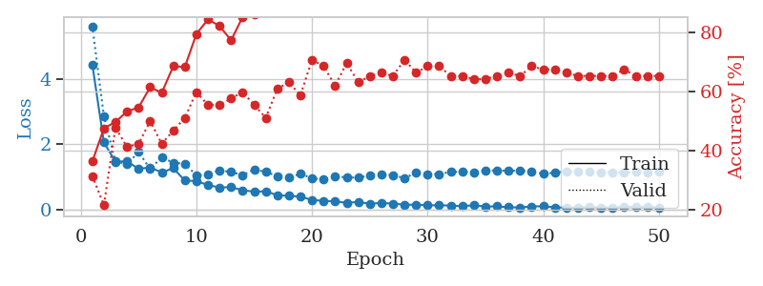
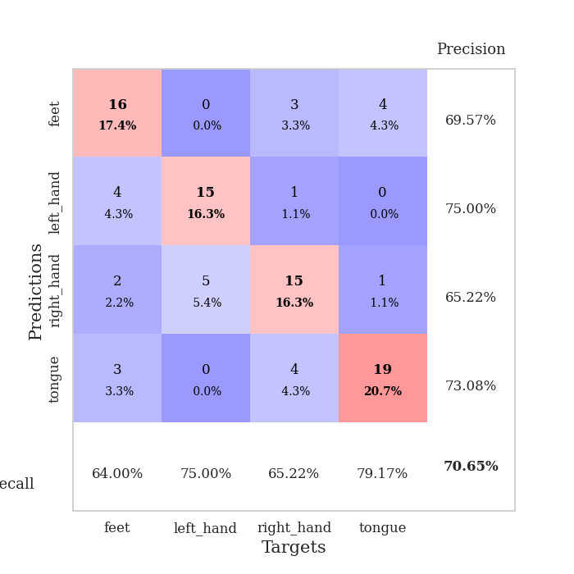
train_loss | valid_loss | train_accuracy | valid_accuracy | dur | train_misclass | valid_misclass
4.4464086294 | 5.6278492679 | 0.36413043478 | 0.3152173913 | 0.10631465912 | 36.413043478 | 31.52173913
2.0540329244 | 2.8514388955 | 0.47554347826 | 0.21739130435 | 0.10478329659 | 47.554347826 | 21.739130435
1.4666215803 | 1.4876130223 | 0.4972826087 | 0.47826086957 | 0.10155391693 | 49.72826087 | 47.826086957
1.4796262124 | 1.3805535047 | 0.53260869565 | 0.41304347826 | 0.099757909775 | 53.260869565 | 41.304347826
1.2414091515 | 1.7662620544 | 0.54619565217 | 0.42391304348 | 0.10199213028 | 54.619565217 | 42.391304348
1.2910969517 | 1.2369363023 | 0.61413043478 | 0.5 | 0.10937905312 | 61.413043478 | 50
1.1331767725 | 1.6019435914 | 0.59510869565 | 0.42391304348 | 0.10550451279 | 59.510869565 | 42.391304348
1.2657050335 | 1.4315987851 | 0.6847826087 | 0.46739130435 | 0.10979914665 | 68.47826087 | 46.739130435
0.88409609121 | 1.4004996445 | 0.68206521739 | 0.51086956522 | 0.11024880409 | 68.206521739 | 51.086956522
0.87018741732 | 1.0445007656 | 0.79347826087 | 0.59782608696 | 0.10638642311 | 79.347826087 | 59.782608696
0.74717805567 | 1.0864380158 | 0.84239130435 | 0.55434782609 | 0.1044614315 | 84.239130435 | 55.434782609
0.67060420565 | 1.1963898773 | 0.82065217391 | 0.55434782609 | 0.10989546776 | 82.065217391 | 55.434782609
0.68493890374 | 1.1515708592 | 0.77173913043 | 0.57608695652 | 0.10618233681 | 77.173913043 | 57.608695652
0.58607534222 | 1.0511687839 | 0.85054347826 | 0.59782608696 | 0.11137199402 | 85.054347826 | 59.782608696
0.54448310318 | 1.2239993189 | 0.85869565217 | 0.55434782609 | 0.11225175858 | 85.869565217 | 55.434782609
0.55201564794 | 1.1505937239 | 0.89130434783 | 0.51086956522 | 0.11101031303 | 89.130434783 | 51.086956522
0.43553682708 | 1.0228026846 | 0.91576086957 | 0.60869565217 | 0.11444783211 | 91.576086957 | 60.869565217
0.41413992125 | 0.97099926679 | 0.88858695652 | 0.63043478261 | 0.10392570496 | 88.858695652 | 63.043478261
0.39279886562 | 1.0924239185 | 0.95380434783 | 0.58695652174 | 0.10920524597 | 95.380434783 | 58.695652174
0.28729506938 | 0.95625580394 | 0.9375 | 0.70652173913 | 0.10182189941 | 93.75 | 70.652173913
0.26227964234 | 0.91523953106 | 0.95923913043 | 0.6847826087 | 0.10738372803 | 95.923913043 | 68.47826087
0.24539946473 | 1.0032076006 | 0.98369565217 | 0.61956521739 | 0.10930895805 | 98.369565217 | 61.956521739
0.19829926802 | 0.9882596187 | 0.98641304348 | 0.69565217391 | 0.11144685745 | 98.641304348 | 69.565217391
0.22967431354 | 0.96997384403 | 0.97282608696 | 0.63043478261 | 0.10909891129 | 97.282608696 | 63.043478261
0.1724555096 | 1.0484093894 | 0.98913043478 | 0.65217391304 | 0.11036491394 | 98.913043478 | 65.217391304
0.19550646728 | 1.0608895343 | 0.99184782609 | 0.66304347826 | 0.10823750496 | 99.184782609 | 66.304347826
0.17601415985 | 1.0552828234 | 0.98097826087 | 0.65217391304 | 0.10382032394 | 98.097826087 | 65.217391304
0.1443338033 | 0.95773867421 | 0.9972826087 | 0.70652173913 | 0.11442828178 | 99.72826087 | 70.652173913
0.14009663333 | 1.1283746103 | 0.99456521739 | 0.66304347826 | 0.10592651367 | 99.456521739 | 66.304347826
0.12371971896 | 1.0833379756 | 0.9972826087 | 0.6847826087 | 0.10821461678 | 99.72826087 | 68.47826087
0.12410457448 | 1.0841297637 | 0.99456521739 | 0.6847826087 | 0.10715723038 | 99.456521739 | 68.47826087
0.11633102418 | 1.1521663692 | 1 | 0.65217391304 | 0.10461640358 | 100 | 65.217391304
0.097866793204 | 1.1521340142 | 0.99184782609 | 0.65217391304 | 0.11247587204 | 99.184782609 | 65.217391304
0.1241563836 | 1.1420859798 | 1 | 0.64130434783 | 0.10887408257 | 100 | 64.130434783
0.08646591526 | 1.1981432464 | 1 | 0.64130434783 | 0.11040759087 | 100 | 64.130434783
0.090466076184 | 1.1890029519 | 1 | 0.65217391304 | 0.10819864273 | 100 | 65.217391304
0.062539795414 | 1.1877118142 | 1 | 0.66304347826 | 0.11542367935 | 100 | 66.304347826
0.059349362819 | 1.1856285645 | 1 | 0.65217391304 | 0.10974788666 | 100 | 65.217391304
0.088799415116 | 1.1635030042 | 1 | 0.6847826087 | 0.1054725647 | 100 | 68.47826087
0.094635810136 | 1.0970679418 | 1 | 0.67391304348 | 0.11059904099 | 100 | 67.391304348
0.058528277051 | 1.1238040458 | 1 | 0.67391304348 | 0.10850167274 | 100 | 67.391304348
0.056250404405 | 1.1717593877 | 1 | 0.66304347826 | 0.10645222664 | 100 | 66.304347826
0.054104688982 | 1.1480296125 | 1 | 0.65217391304 | 0.11258983612 | 100 | 65.217391304
0.073319062915 | 1.1511912346 | 1 | 0.65217391304 | 0.11694312096 | 100 | 65.217391304
0.059213426572 | 1.140752896 | 1 | 0.65217391304 | 0.10813522339 | 100 | 65.217391304
0.05419948693 | 1.1434473577 | 1 | 0.65217391304 | 0.1040866375 | 100 | 65.217391304
0.082789419604 | 1.1317241762 | 1 | 0.67391304348 | 0.10896205902 | 100 | 67.391304348
0.078299620067 | 1.1486088763 | 1 | 0.65217391304 | 0.10318112373 | 100 | 65.217391304
0.071473111803 | 1.1348757381 | 1 | 0.65217391304 | 0.10792398453 | 100 | 65.217391304
0.057503219856 | 1.146176105 | 1 | 0.65217391304 | 0.10459399223 | 100 | 65.217391304

Best Val accuracy is 0.7065217391304348 and Best test accuracy is 0.5948275862068966

Sheet7
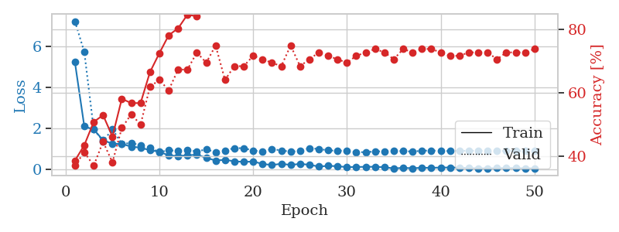
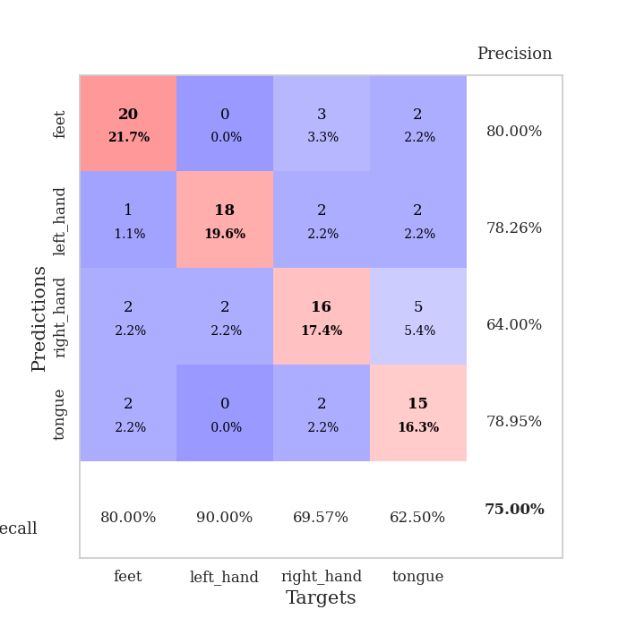
train_loss | valid_loss | train_accuracy | valid_accuracy | dur | train_misclass | valid_misclass
5.2370089189 | 7.2358110055 | 0.38586956522 | 0.36956521739 | 0.1096906662 | 38.586956522 | 36.956521739
2.1077947306 | 5.7399137124 | 0.4347826087 | 0.41304347826 | 0.11494326591 | 43.47826087 | 41.304347826
1.9540559727 | 1.9787714326 | 0.50815217391 | 0.36956521739 | 0.10884261131 | 50.815217391 | 36.956521739
1.4362860426 | 1.3838322448 | 0.52989130435 | 0.44565217391 | 0.1083817482 | 52.989130435 | 44.565217391
1.2562809794 | 1.9691409391 | 0.46195652174 | 0.38043478261 | 0.10873699188 | 46.195652174 | 38.043478261
1.2530999469 | 1.2531017557 | 0.58152173913 | 0.48913043478 | 0.10896849632 | 58.152173913 | 48.913043478
1.1146742261 | 1.2966453252 | 0.56793478261 | 0.53260869565 | 0.12173819542 | 56.793478261 | 53.260869565
1.0711348342 | 1.1852170462 | 0.56793478261 | 0.5 | 0.12837862968 | 56.793478261 | 50
0.94042070923 | 1.06377407 | 0.66576086957 | 0.61956521739 | 0.099182367325 | 66.576086957 | 61.956521739
0.87207722146 | 0.8516876257 | 0.72554347826 | 0.64130434783 | 0.1005718708 | 72.554347826 | 64.130434783
0.69004966643 | 0.93559148519 | 0.78260869565 | 0.60869565217 | 0.1094686985 | 78.260869565 | 60.869565217
0.66412955134 | 0.92186019213 | 0.80434782609 | 0.67391304348 | 0.1050927639 | 80.434782609 | 67.391304348
0.6961274782 | 0.94657330928 | 0.84782608696 | 0.67391304348 | 0.10632443428 | 84.782608696 | 67.391304348
0.72247824721 | 0.88788415556 | 0.84239130435 | 0.72826086957 | 0.11096763611 | 84.239130435 | 72.826086957
0.57608558821 | 0.97912098532 | 0.89402173913 | 0.69565217391 | 0.10777425766 | 89.402173913 | 69.565217391
0.43831527589 | 0.85700821617 | 0.8722826087 | 0.75 | 0.10918593407 | 87.22826087 | 75
0.47845137184 | 0.9323427418 | 0.89130434783 | 0.64130434783 | 0.11294436455 | 89.130434783 | 64.130434783
0.40109096727 | 1.0465319921 | 0.875 | 0.6847826087 | 0.11054730415 | 87.5 | 68.47826087
0.37413052308 | 1.0428455057 | 0.89130434783 | 0.6847826087 | 0.10189771652 | 89.130434783 | 68.47826087
0.38963329468 | 0.9272344838 | 0.9347826087 | 0.71739130435 | 0.099805831909 | 93.47826087 | 71.739130435
0.27892757547 | 0.88099627391 | 0.92934782609 | 0.70652173913 | 0.10258340836 | 92.934782609 | 70.652173913
0.21718851202 | 0.9975063749 | 0.94836956522 | 0.69565217391 | 0.10759949684 | 94.836956522 | 69.565217391
0.28391688949 | 0.93186630892 | 0.95923913043 | 0.6847826087 | 0.11037039757 | 95.923913043 | 68.47826087
0.22276688934 | 0.87280714512 | 0.96467391304 | 0.75 | 0.10602450371 | 96.467391304 | 75
0.27795922173 | 0.9060567747 | 0.94836956522 | 0.6847826087 | 0.1092839241 | 94.836956522 | 68.47826087
0.23293367595 | 1.0444643264 | 0.97282608696 | 0.70652173913 | 0.10757851601 | 97.282608696 | 70.652173913
0.14726414434 | 1.0028399255 | 0.99184782609 | 0.72826086957 | 0.10526776314 | 99.184782609 | 72.826086957
0.17939391603 | 0.93756351782 | 0.98913043478 | 0.71739130435 | 0.10422468185 | 98.913043478 | 71.739130435
0.16444543385 | 0.91389373334 | 0.98913043478 | 0.70652173913 | 0.10463833809 | 98.913043478 | 70.652173913
0.11746962482 | 0.93064052385 | 0.99456521739 | 0.69565217391 | 0.10968232155 | 99.456521739 | 69.565217391
0.12694897746 | 0.84589760848 | 0.99184782609 | 0.71739130435 | 0.1061065197 | 99.184782609 | 71.739130435
0.13163703113 | 0.85040723111 | 0.99456521739 | 0.72826086957 | 0.11017870903 | 99.456521739 | 72.826086957
0.13805446199 | 0.88006018037 | 0.9972826087 | 0.73913043478 | 0.10733604431 | 99.72826087 | 73.913043478
0.11125966988 | 0.89325718517 | 0.99456521739 | 0.72826086957 | 0.10212254524 | 99.456521739 | 72.826086957
0.056377538237 | 0.90298219349 | 1 | 0.70652173913 | 0.10078835487 | 100 | 70.652173913
0.08119272716 | 0.90058325425 | 1 | 0.73913043478 | 0.099152326584 | 100 | 73.913043478
0.065219496984 | 0.87787863483 | 0.99456521739 | 0.72826086957 | 0.10884547234 | 99.456521739 | 72.826086957
0.087106033552 | 0.91750637215 | 0.99456521739 | 0.73913043478 | 0.10875940323 | 99.456521739 | 73.913043478
0.084800427739 | 0.93069525128 | 0.9972826087 | 0.73913043478 | 0.10538721085 | 99.72826087 | 73.913043478
0.097906903566 | 0.91066867502 | 1 | 0.72826086957 | 0.10501551628 | 100 | 72.826086957
0.09915031764 | 0.89969357848 | 1 | 0.71739130435 | 0.10414266586 | 100 | 71.739130435
0.096742842387 | 0.91742704226 | 1 | 0.71739130435 | 0.10732507706 | 100 | 71.739130435
0.071736686499 | 0.91208501095 | 1 | 0.72826086957 | 0.11026263237 | 100 | 72.826086957
0.063518038465 | 0.92037296166 | 1 | 0.72826086957 | 0.10651421547 | 100 | 72.826086957
0.062030740629 | 0.91716103968 | 1 | 0.72826086957 | 0.10202503204 | 100 | 72.826086957
0.069172177261 | 0.90205539828 | 1 | 0.70652173913 | 0.10466766357 | 100 | 70.652173913
0.076227489251 | 0.9078591453 | 1 | 0.72826086957 | 0.10221719742 | 100 | 72.826086957
0.072180999686 | 0.90356604561 | 1 | 0.72826086957 | 0.10712838173 | 100 | 72.826086957
0.064356306203 | 0.90848302193 | 1 | 0.72826086957 | 0.10512709618 | 100 | 72.826086957
0.060056074725 | 0.90591045048 | 1 | 0.73913043478 | 0.10895657539 | 100 | 73.913043478

Best Val accuracy is 0.75 and Best test accuracy is 0.603448275862069

Sheet8
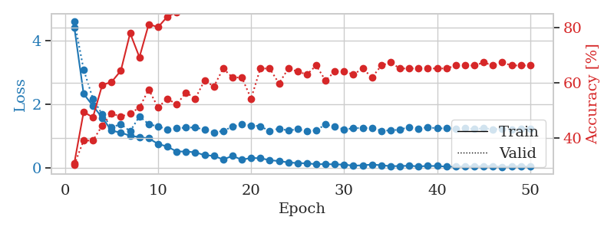
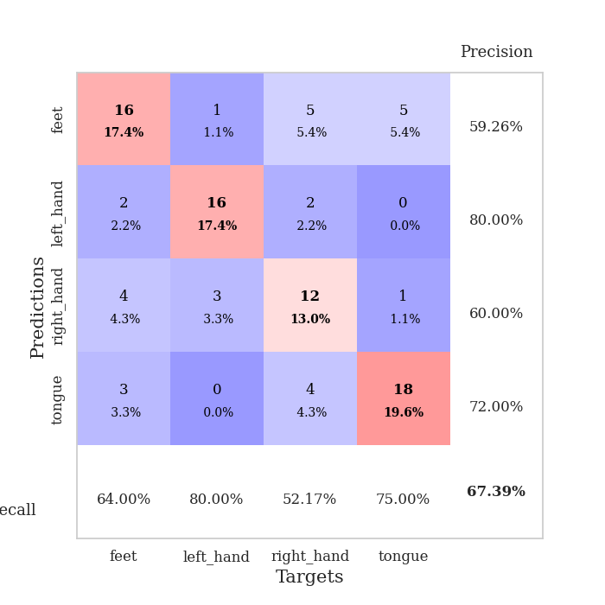
train_loss | valid_loss | train_accuracy | valid_accuracy | dur | train_misclass | valid_misclass
4.4238176501 | 4.617841534 | 0.3097826087 | 0.30434782609 | 0.10761189461 | 30.97826087 | 30.434782609
2.3282536501 | 3.0960472252 | 0.49456521739 | 0.39130434783 | 0.10723018646 | 49.456521739 | 39.130434783
1.9497331744 | 2.1712808143 | 0.47554347826 | 0.39130434783 | 0.10983347893 | 47.554347826 | 39.130434783
1.5767492004 | 1.6756372659 | 0.59239130435 | 0.44565217391 | 0.10674977303 | 59.239130435 | 44.565217391
1.1677624791 | 1.2751549586 | 0.60326086957 | 0.48913043478 | 0.10327863693 | 60.326086957 | 48.913043478
1.108166819 | 1.3738754573 | 0.64402173913 | 0.47826086957 | 0.11316037178 | 64.402173913 | 47.826086957
1.0067177493 | 1.1506267164 | 0.77989130435 | 0.48913043478 | 0.10079073906 | 77.989130435 | 48.913043478
0.96594753732 | 1.6161103249 | 0.69293478261 | 0.51086956522 | 0.10681915283 | 69.293478261 | 51.086956522
0.92573803793 | 1.3745433973 | 0.8125 | 0.57608695652 | 0.10564661026 | 81.25 | 57.608695652
0.75193421478 | 1.3014259546 | 0.80163043478 | 0.51086956522 | 0.10729813576 | 80.163043478 | 51.086956522
0.66726367888 | 1.2099754551 | 0.83967391304 | 0.54347826087 | 0.10465288162 | 83.967391304 | 54.347826087
0.51195018577 | 1.2392479907 | 0.85597826087 | 0.52173913043 | 0.10289907455 | 85.597826087 | 52.173913043
0.51260845104 | 1.2680486855 | 0.89673913043 | 0.5652173913 | 0.10695791245 | 89.673913043 | 56.52173913
0.48612364349 | 1.2669945437 | 0.93206521739 | 0.54347826087 | 0.10836100578 | 93.206521739 | 54.347826087
0.39788459501 | 1.2031124001 | 0.9347826087 | 0.60869565217 | 0.10988354683 | 93.47826087 | 60.869565217
0.37417790844 | 1.1172082372 | 0.98913043478 | 0.58695652174 | 0.11232328415 | 98.913043478 | 58.695652174
0.26102243056 | 1.1574609228 | 0.9347826087 | 0.65217391304 | 0.11394691467 | 93.47826087 | 65.217391304
0.37393507216 | 1.2973248751 | 0.97282608696 | 0.61956521739 | 0.1037709713 | 97.282608696 | 61.956521739
0.25434910571 | 1.3624945827 | 0.98913043478 | 0.61956521739 | 0.10755085945 | 98.913043478 | 61.956521739
0.30988410455 | 1.3323877117 | 0.96739130435 | 0.54347826087 | 0.10250878334 | 96.739130435 | 54.347826087
0.30010179025 | 1.3112811265 | 0.96467391304 | 0.65217391304 | 0.10332942009 | 96.467391304 | 65.217391304
0.24218201184 | 1.149529255 | 0.99456521739 | 0.65217391304 | 0.11421775818 | 99.456521739 | 65.217391304
0.20955558332 | 1.238254516 | 0.98913043478 | 0.59782608696 | 0.10944676399 | 98.913043478 | 59.782608696
0.1697302093 | 1.1693551178 | 0.98097826087 | 0.65217391304 | 0.11043739319 | 98.097826087 | 65.217391304
0.14794353153 | 1.2183368051 | 0.9972826087 | 0.64130434783 | 0.10447025299 | 99.72826087 | 64.130434783
0.14077542406 | 1.146006807 | 0.9972826087 | 0.63043478261 | 0.10871529579 | 99.72826087 | 63.043478261
0.11158399251 | 1.1840196641 | 0.99456521739 | 0.66304347826 | 0.10713291168 | 99.456521739 | 66.304347826
0.11635641082 | 1.3606879607 | 1 | 0.60869565217 | 0.12036371231 | 100 | 60.869565217
0.10641532723 | 1.3021192862 | 1 | 0.64130434783 | 0.10807418823 | 100 | 64.130434783
0.09911959343 | 1.203941765 | 0.9972826087 | 0.64130434783 | 0.10256648064 | 99.72826087 | 64.130434783
0.065282744436 | 1.2476973585 | 0.9972826087 | 0.63043478261 | 0.11102867126 | 99.72826087 | 63.043478261
0.079157751863 | 1.2496519659 | 1 | 0.65217391304 | 0.10440206528 | 100 | 65.217391304
0.10142269419 | 1.256142212 | 1 | 0.61956521739 | 0.10744166374 | 100 | 61.956521739
0.079630223336 | 1.1659131828 | 1 | 0.66304347826 | 0.10936307907 | 100 | 66.304347826
0.051024919295 | 1.1784620855 | 1 | 0.67391304348 | 0.10843157768 | 100 | 67.391304348
0.054828331725 | 1.2011443117 | 1 | 0.65217391304 | 0.1043715477 | 100 | 65.217391304
0.063906267842 | 1.2858269318 | 1 | 0.65217391304 | 0.11220932007 | 100 | 65.217391304
0.043560249346 | 1.2368270211 | 1 | 0.65217391304 | 0.10597991943 | 100 | 65.217391304
0.056656586846 | 1.2737245456 | 1 | 0.65217391304 | 0.10959219933 | 100 | 65.217391304
0.057307071295 | 1.2416891948 | 1 | 0.65217391304 | 0.11019039154 | 100 | 65.217391304
0.034423022511 | 1.2400703223 | 1 | 0.65217391304 | 0.1062734127 | 100 | 65.217391304
0.035977046026 | 1.236724781 | 1 | 0.66304347826 | 0.1083574295 | 100 | 66.304347826
0.042411721514 | 1.2484504451 | 1 | 0.66304347826 | 0.1039276123 | 100 | 66.304347826
0.045747144016 | 1.2170411193 | 1 | 0.66304347826 | 0.1035284996 | 100 | 66.304347826
0.045986505569 | 1.2444874359 | 1 | 0.67391304348 | 0.11418581009 | 100 | 67.391304348
0.05537883909 | 1.2141815268 | 1 | 0.66304347826 | 0.1037197113 | 100 | 66.304347826
0.026420605976 | 1.2203479694 | 1 | 0.67391304348 | 0.11385416985 | 100 | 67.391304348
0.04355234836 | 1.211815295 | 1 | 0.66304347826 | 0.10850977898 | 100 | 66.304347826
0.049756471817 | 1.221339998 | 1 | 0.66304347826 | 0.1104414463 | 100 | 66.304347826
0.034275870062 | 1.2259042781 | 1 | 0.66304347826 | 0.10837340355 | 100 | 66.304347826

Best Val accuracy is 0.6739130434782609 and Best test accuracy is 0.5775862068965517

Sheet9
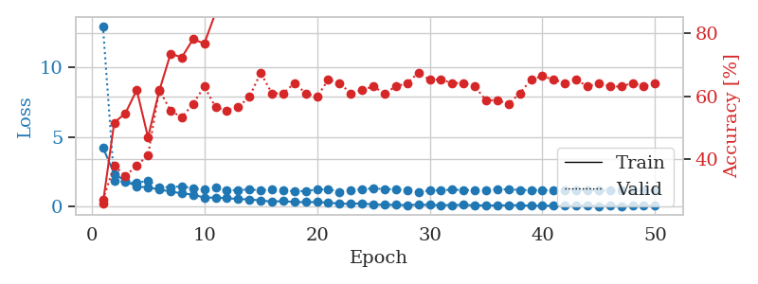
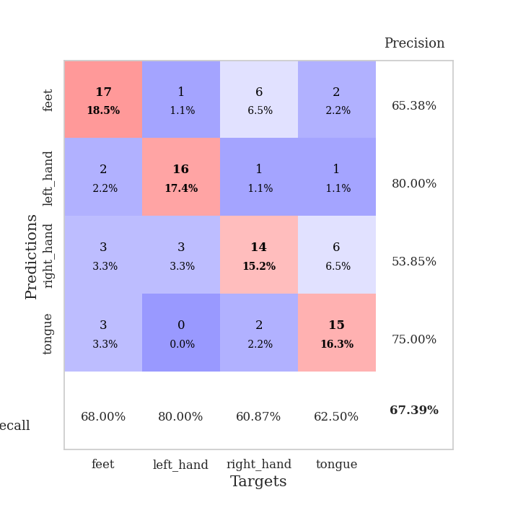
train_loss | valid_loss | train_accuracy | valid_accuracy | dur | train_misclass | valid_misclass
4.2433518223 | 12.960022097 | 0.26086956522 | 0.27173913043 | 0.10548591614 | 26.086956522 | 27.173913043
2.3426782204 | 1.8266664484 | 0.51630434783 | 0.38043478261 | 0.10499405861 | 51.630434783 | 38.043478261
1.8376349885 | 1.7844395171 | 0.54619565217 | 0.34782608696 | 0.10587096214 | 54.619565217 | 34.782608696
1.4267117355 | 1.6791492597 | 0.61956521739 | 0.38043478261 | 0.10356068611 | 61.956521739 | 38.043478261
1.3748080445 | 1.8670110495 | 0.47010869565 | 0.41304347826 | 0.10300421715 | 47.010869565 | 41.304347826
1.2158160495 | 1.3663504072 | 0.61684782609 | 0.61956521739 | 0.10497999191 | 61.684782609 | 61.956521739
1.0787818432 | 1.3944034317 | 0.73369565217 | 0.55434782609 | 0.10512924194 | 73.369565217 | 55.434782609
0.94067238466 | 1.4533662589 | 0.72282608696 | 0.53260869565 | 0.11232018471 | 72.282608696 | 53.260869565
0.85627959863 | 1.311678591 | 0.77989130435 | 0.57608695652 | 0.10918903351 | 77.989130435 | 57.608695652
0.63455974278 | 1.1990794721 | 0.76630434783 | 0.63043478261 | 0.10007357597 | 76.630434783 | 63.043478261
0.64103185288 | 1.3364203132 | 0.86413043478 | 0.5652173913 | 0.10500955582 | 86.413043478 | 56.52173913
0.59943853772 | 1.1663488253 | 0.88858695652 | 0.55434782609 | 0.10531044006 | 88.858695652 | 55.434782609
0.53849234529 | 1.176331971 | 0.86413043478 | 0.5652173913 | 0.10610961914 | 86.413043478 | 56.52173913
0.50599741093 | 1.2368628979 | 0.86413043478 | 0.59782608696 | 0.10626077652 | 86.413043478 | 59.782608696
0.43520453119 | 1.1473088627 | 0.9375 | 0.67391304348 | 0.10570263863 | 93.75 | 67.391304348
0.34893532243 | 1.2258277043 | 0.94565217391 | 0.60869565217 | 0.10916280746 | 94.565217391 | 60.869565217
0.39035907453 | 1.1637859552 | 0.96195652174 | 0.60869565217 | 0.10979032516 | 96.195652174 | 60.869565217
0.31547150696 | 1.0845196299 | 0.95923913043 | 0.64130434783 | 0.11170077324 | 95.923913043 | 64.130434783
0.31514872935 | 1.1145792785 | 0.96195652174 | 0.60869565217 | 0.109156847 | 96.195652174 | 60.869565217
0.31492586102 | 1.215501552 | 0.95923913043 | 0.59782608696 | 0.11188459396 | 95.923913043 | 59.782608696
0.2807764547 | 1.2353114667 | 0.9972826087 | 0.65217391304 | 0.10926938057 | 99.72826087 | 65.217391304
0.20194137226 | 1.0568371493 | 0.98913043478 | 0.64130434783 | 0.1090593338 | 98.913043478 | 64.130434783
0.19522431201 | 1.1798890777 | 0.99184782609 | 0.60869565217 | 0.11239957809 | 99.184782609 | 60.869565217
0.21917951917 | 1.2490915941 | 0.9972826087 | 0.61956521739 | 0.10881519318 | 99.72826087 | 61.956521739
0.1371743888 | 1.2982303371 | 0.98913043478 | 0.63043478261 | 0.11142683029 | 98.913043478 | 63.043478261
0.13483607874 | 1.2573313298 | 1 | 0.60869565217 | 0.1072499752 | 100 | 60.869565217
0.11306664186 | 1.2289878907 | 1 | 0.63043478261 | 0.10540103912 | 100 | 63.043478261
0.099958015363 | 1.1750500202 | 0.9972826087 | 0.64130434783 | 0.10949540138 | 99.72826087 | 64.130434783
0.13265309171 | 1.0503703822 | 1 | 0.67391304348 | 0.10682964325 | 100 | 67.391304348
0.11020763591 | 1.1458170621 | 1 | 0.65217391304 | 0.11109781265 | 100 | 65.217391304
0.098323320565 | 1.1614154318 | 1 | 0.65217391304 | 0.1070227623 | 100 | 65.217391304
0.10036696307 | 1.2172109044 | 1 | 0.64130434783 | 0.10603952408 | 100 | 64.130434783
0.11565444173 | 1.1715483976 | 1 | 0.64130434783 | 0.10973882675 | 100 | 64.130434783
0.081593495024 | 1.1808010392 | 1 | 0.63043478261 | 0.1078748703 | 100 | 63.043478261
0.080870983717 | 1.1856663953 | 1 | 0.58695652174 | 0.10306596756 | 100 | 58.695652174
0.065086368188 | 1.2212815077 | 1 | 0.58695652174 | 0.10700130463 | 100 | 58.695652174
0.09982472152 | 1.2356127656 | 1 | 0.57608695652 | 0.10877227783 | 100 | 57.608695652
0.085904589044 | 1.1859263182 | 1 | 0.60869565217 | 0.10917377472 | 100 | 60.869565217
0.05586681847 | 1.1727940414 | 1 | 0.65217391304 | 0.10241436958 | 100 | 65.217391304
0.053339441975 | 1.1678878432 | 1 | 0.66304347826 | 0.11147975922 | 100 | 66.304347826
0.057500011571 | 1.1590670762 | 1 | 0.65217391304 | 0.1045422554 | 100 | 65.217391304
0.042073050028 | 1.1554697286 | 1 | 0.64130434783 | 0.10907435417 | 100 | 64.130434783
0.057956837624 | 1.1654148983 | 1 | 0.65217391304 | 0.11059761047 | 100 | 65.217391304
0.074934138775 | 1.1675024033 | 1 | 0.63043478261 | 0.10438489914 | 100 | 63.043478261
0.041794662728 | 1.160997313 | 1 | 0.64130434783 | 0.11074447632 | 100 | 64.130434783
0.050348812188 | 1.1508739409 | 1 | 0.63043478261 | 0.12293148041 | 100 | 63.043478261
0.025631362248 | 1.1495624936 | 1 | 0.63043478261 | 0.12340402603 | 100 | 63.043478261
0.045174385826 | 1.1617984668 | 1 | 0.64130434783 | 0.11715960503 | 100 | 64.130434783
0.045312778275 | 1.1555280063 | 1 | 0.63043478261 | 0.11803460121 | 100 | 63.043478261
0.076205787269 | 1.1614492302 | 1 | 0.64130434783 | 0.11431002617 | 100 | 64.130434783

Best Val accuracy is 0.6739130434782609 and Best test accuracy is 0.5775862068965517

Sheet10
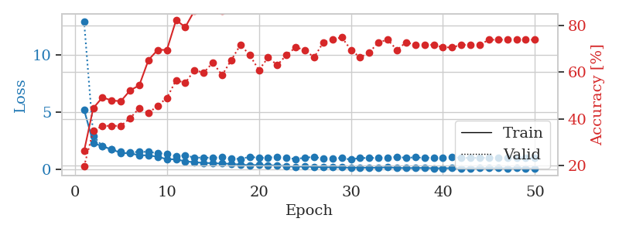
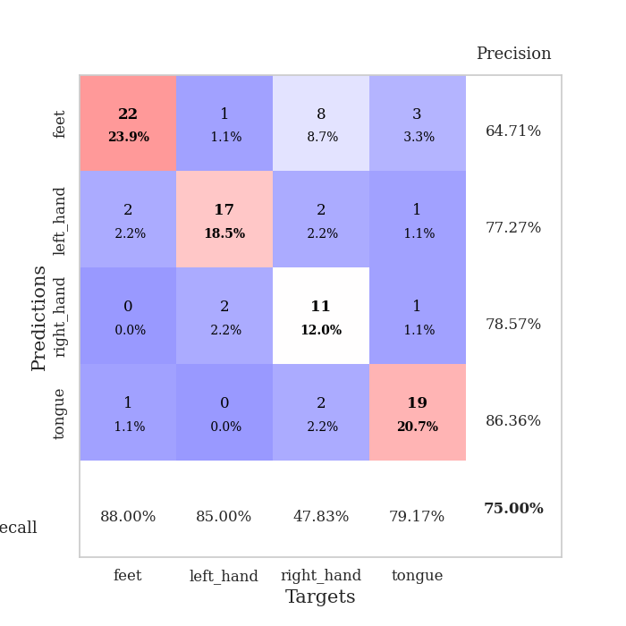
train_loss | valid_loss | train_accuracy | valid_accuracy | dur | train_misclass | valid_misclass
5.2208171824 | 12.972168715 | 0.26086956522 | 0.19565217391 | 0.10923981667 | 26.086956522 | 19.565217391
2.296070047 | 2.9140826101 | 0.44565217391 | 0.34782608696 | 0.098220825195 | 44.565217391 | 34.782608696
1.9924462982 | 2.0081699776 | 0.49184782609 | 0.36956521739 | 0.10696482658 | 49.184782609 | 36.956521739
1.731452916 | 1.7196313713 | 0.47826086957 | 0.36956521739 | 0.1037197113 | 47.826086957 | 36.956521739
1.4212188721 | 1.5378336699 | 0.47554347826 | 0.36956521739 | 0.10870909691 | 47.554347826 | 36.956521739
1.3746779406 | 1.475380457 | 0.52173913043 | 0.40217391304 | 0.1086935997 | 52.173913043 | 40.217391304
1.2206520231 | 1.5084788747 | 0.54347826087 | 0.44565217391 | 0.11655235291 | 54.347826087 | 44.565217391
1.2029694993 | 1.5204198205 | 0.65217391304 | 0.42391304348 | 0.10891985893 | 65.217391304 | 42.391304348
1.0839745143 | 1.3800415734 | 0.69565217391 | 0.45652173913 | 0.10800218582 | 69.565217391 | 45.652173913
0.86869730509 | 1.3573021319 | 0.69565217391 | 0.48913043478 | 0.10810637474 | 69.565217391 | 48.913043478
0.85910433531 | 1.1348852852 | 0.82336956522 | 0.5652173913 | 0.10659575462 | 82.336956522 | 56.52173913
0.68093376833 | 1.2108970466 | 0.79347826087 | 0.55434782609 | 0.11104130745 | 79.347826087 | 55.434782609
0.60094860455 | 1.0021643794 | 0.86413043478 | 0.60869565217 | 0.10824251175 | 86.413043478 | 60.869565217
0.54708194733 | 1.0094892201 | 0.89130434783 | 0.59782608696 | 0.11035895348 | 89.130434783 | 59.782608696
0.51621588417 | 0.99070047814 | 0.91576086957 | 0.64130434783 | 0.10434246063 | 91.576086957 | 64.130434783
0.48687099568 | 1.0432976018 | 0.86413043478 | 0.58695652174 | 0.10868191719 | 86.413043478 | 58.695652174
0.46347579619 | 0.93691240186 | 0.90217391304 | 0.65217391304 | 0.10895323753 | 90.217391304 | 65.217391304
0.38502167424 | 0.88020802581 | 0.9375 | 0.71739130435 | 0.10729789734 | 93.75 | 71.739130435
0.3401939451 | 1.0828027103 | 0.93206521739 | 0.67391304348 | 0.10506033897 | 93.206521739 | 67.391304348
0.36563464416 | 0.9776564992 | 0.93206521739 | 0.60869565217 | 0.11078715324 | 93.206521739 | 60.869565217
0.32326522081 | 1.0131368896 | 0.96467391304 | 0.66304347826 | 0.10477304459 | 96.467391304 | 66.304347826
0.32682062102 | 1.059780919 | 0.95108695652 | 0.63043478261 | 0.11078357697 | 95.108695652 | 63.043478261
0.25899103235 | 1.0149651507 | 0.96739130435 | 0.67391304348 | 0.11112928391 | 96.739130435 | 67.391304348
0.20431563145 | 0.86344284337 | 0.97010869565 | 0.70652173913 | 0.10706472397 | 97.010869565 | 70.652173913
0.23739780583 | 1.0153259609 | 0.97282608696 | 0.69565217391 | 0.10428571701 | 97.282608696 | 69.565217391
0.18547377654 | 1.0511464917 | 0.98369565217 | 0.66304347826 | 0.10536837578 | 98.369565217 | 66.304347826
0.15224691286 | 0.93190411899 | 0.98641304348 | 0.72826086957 | 0.11146783829 | 98.641304348 | 72.826086957
0.15841900079 | 0.95489153655 | 0.98641304348 | 0.73913043478 | 0.10780835152 | 98.641304348 | 73.913043478
0.14557452144 | 0.96942272264 | 0.98369565217 | 0.75 | 0.11006784439 | 98.369565217 | 75
0.11054320293 | 0.83429159807 | 0.98641304348 | 0.69565217391 | 0.10566210747 | 98.641304348 | 69.565217391
0.13049607973 | 0.98626421327 | 0.98913043478 | 0.66304347826 | 0.10533499718 | 98.913043478 | 66.304347826
0.1155968698 | 0.95989984015 | 0.99456521739 | 0.6847826087 | 0.1128513813 | 99.456521739 | 68.47826087
0.1260276534 | 1.0045233291 | 0.99456521739 | 0.72826086957 | 0.11328411102 | 99.456521739 | 72.826086957
0.15482857564 | 0.96718163594 | 0.99456521739 | 0.73913043478 | 0.11435627937 | 99.456521739 | 73.913043478
0.10808898193 | 1.0774429881 | 0.99184782609 | 0.69565217391 | 0.10955619812 | 99.184782609 | 69.565217391
0.082323525627 | 0.98355990907 | 0.9972826087 | 0.72826086957 | 0.10567069054 | 99.72826087 | 72.826086957
0.093977013846 | 1.0329811392 | 0.98913043478 | 0.71739130435 | 0.1091594696 | 98.913043478 | 71.739130435
0.099499856567 | 0.97591514173 | 0.99456521739 | 0.71739130435 | 0.10809278488 | 99.456521739 | 71.739130435
0.069047184216 | 1.0153003257 | 0.99456521739 | 0.71739130435 | 0.10327005386 | 99.456521739 | 71.739130435
0.071524258946 | 1.00382851 | 1 | 0.70652173913 | 0.11270952225 | 100 | 70.652173913
0.079067677239 | 1.0325756073 | 1 | 0.70652173913 | 0.1156733036 | 100 | 70.652173913
0.072542159211 | 0.99408035693 | 1 | 0.71739130435 | 0.10756778717 | 100 | 71.739130435
0.066810722463 | 0.9763876718 | 1 | 0.71739130435 | 0.10252642632 | 100 | 71.739130435
0.083919390591 | 0.99404843476 | 1 | 0.71739130435 | 0.10677194595 | 100 | 71.739130435
0.082846440699 | 0.98518570091 | 1 | 0.73913043478 | 0.10539722443 | 100 | 73.913043478
0.083203049458 | 0.96705822323 | 1 | 0.73913043478 | 0.10808825493 | 100 | 73.913043478
0.074221951482 | 0.97271497872 | 1 | 0.73913043478 | 0.10805344582 | 100 | 73.913043478
0.095947207923 | 0.96468610349 | 1 | 0.73913043478 | 0.10301566124 | 100 | 73.913043478
0.075680187255 | 0.97867892618 | 1 | 0.73913043478 | 0.10830211639 | 100 | 73.913043478
0.061189557952 | 0.97063272414 | 1 | 0.73913043478 | 0.1020925045 | 100 | 73.913043478

Best Val accuracy is 0.75 and Best test accuracy is 0.6379310344827587

