Sheet
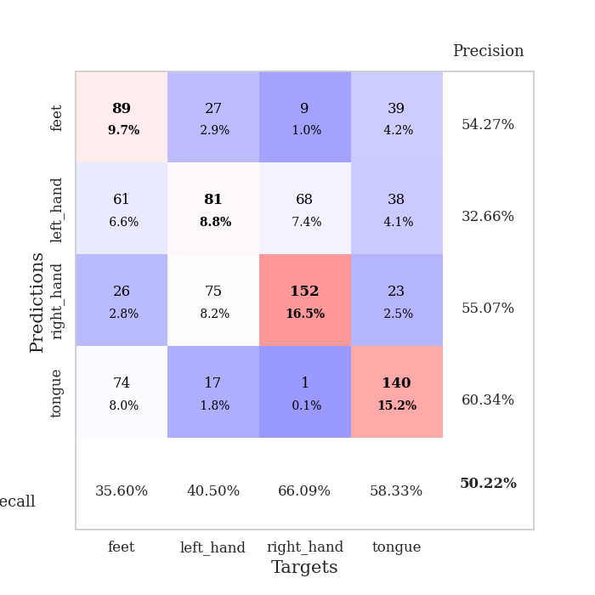
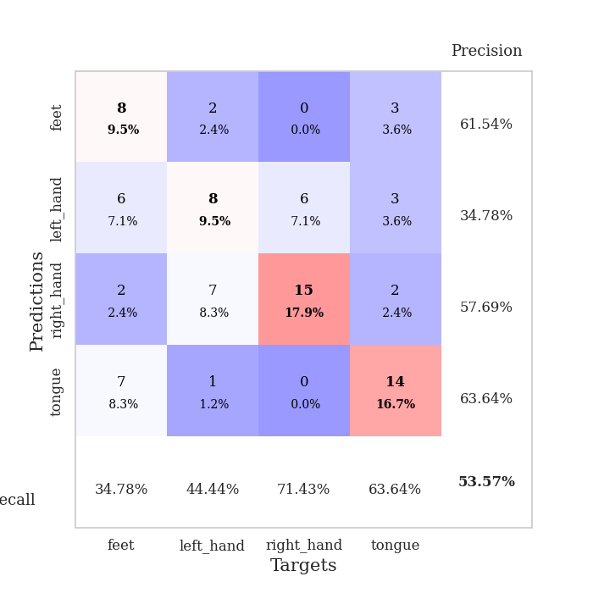
best_val_acc | best_val_los | best_test_acc
0.45652173913 | 1.3660094686 | 0.45689655172
0.55434782609 | 1.2186187454 | 0.53448275862
0.47826086957 | 1.267541253 | 0.4224137931
0.41304347826 | 1.5181249069 | 0.29310344828
0.5 | 1.360441099 | 0.47413793103
0.4347826087 | 1.7677959981 | 0.31896551724
0.5652173913 | 1.3853565791 | 0.45689655172
0.51086956522 | 1.3131861117 | 0.4224137931
0.57608695652 | 1.2519688477 | 0.5
0.53260869565 | 1.3870670277 | 0.43103448276

Mean,std Val accuracy is 0.5021739130434784 , 0.05608339875620101 and mean, std test accuracy is 0.4310344827586207 , 0.07482308371431917

Sheet1
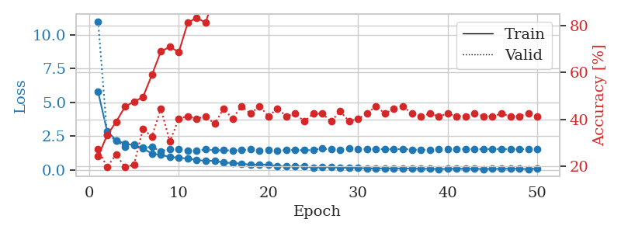
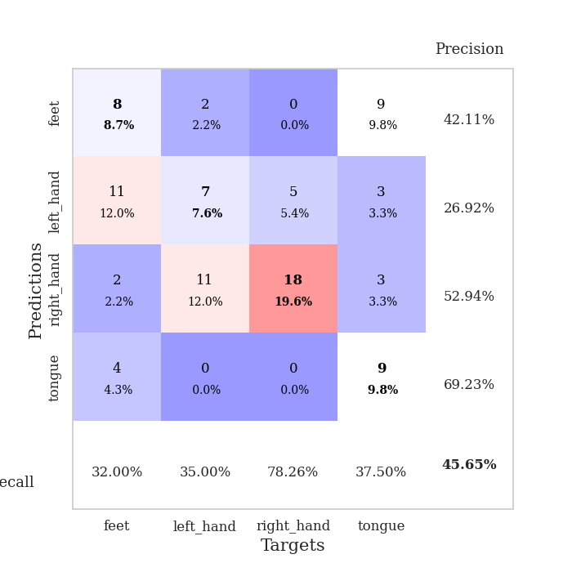
train_loss | valid_loss | train_accuracy | valid_accuracy | dur | train_misclass | valid_misclass
5.7501955032 | 10.978876487 | 0.24184782609 | 0.27173913043 | 1.7243855 | 24.184782609 | 27.173913043
2.8651937298 | 2.5936901777 | 0.33152173913 | 0.19565217391 | 0.12498188019 | 33.152173913 | 19.565217391
2.1766972594 | 2.1567829381 | 0.38858695652 | 0.25 | 0.12110257149 | 38.858695652 | 25
1.9333894616 | 1.7162604747 | 0.45380434783 | 0.19565217391 | 0.12070059776 | 45.380434783 | 19.565217391
1.8100931256 | 1.8824054469 | 0.47554347826 | 0.20652173913 | 0.10538339615 | 47.554347826 | 20.652173913
1.5777373366 | 1.6174535907 | 0.49456521739 | 0.35869565217 | 0.10771179199 | 49.456521739 | 35.869565217
1.1954409558 | 1.6939494299 | 0.58967391304 | 0.32608695652 | 0.10302042961 | 58.967391304 | 32.608695652
1.0941396096 | 1.3660094686 | 0.6902173913 | 0.44565217391 | 0.10931372643 | 69.02173913 | 44.565217391
0.95112237982 | 1.5458101397 | 0.70923913043 | 0.30434782609 | 0.10757756233 | 70.923913043 | 30.434782609
0.87780096738 | 1.5527666704 | 0.6875 | 0.40217391304 | 0.10707807541 | 68.75 | 40.217391304
0.83044824134 | 1.4252709254 | 0.8125 | 0.41304347826 | 0.1079621315 | 81.25 | 41.304347826
0.7254663667 | 1.4009092735 | 0.83423913043 | 0.40217391304 | 0.11006736755 | 83.423913043 | 40.217391304
0.6508655587 | 1.49807817 | 0.8125 | 0.41304347826 | 0.10775375366 | 81.25 | 41.304347826
0.6659764492 | 1.4422664772 | 0.9375 | 0.38043478261 | 0.10669231415 | 93.75 | 38.043478261
0.52458336042 | 1.4423134742 | 0.91576086957 | 0.44565217391 | 0.11020207405 | 91.576086957 | 44.565217391
0.50305267521 | 1.4239671386 | 0.93206521739 | 0.40217391304 | 0.10170006752 | 93.206521739 | 40.217391304
0.44127315672 | 1.4418013407 | 0.9375 | 0.45652173913 | 0.10244011879 | 93.75 | 45.652173913
0.3714864092 | 1.5115903564 | 0.98641304348 | 0.42391304348 | 0.11288261414 | 98.641304348 | 42.391304348
0.38587702033 | 1.4067631182 | 0.98097826087 | 0.45652173913 | 0.10559463501 | 98.097826087 | 45.652173913
0.37062512209 | 1.474509799 | 0.98369565217 | 0.41304347826 | 0.11284399033 | 98.369565217 | 41.304347826
0.26198171468 | 1.3917728274 | 0.99456521739 | 0.44565217391 | 0.1047809124 | 99.456521739 | 44.565217391
0.23622368924 | 1.4654146537 | 0.99184782609 | 0.41304347826 | 0.1101796627 | 99.184782609 | 41.304347826
0.24198894753 | 1.4610661165 | 1 | 0.42391304348 | 0.11367702484 | 100 | 42.391304348
0.24933710646 | 1.4406245325 | 0.9972826087 | 0.39130434783 | 0.10508060455 | 99.72826087 | 39.130434783
0.15824137887 | 1.4594001044 | 1 | 0.42391304348 | 0.10876011848 | 100 | 42.391304348
0.1808711492 | 1.5677557251 | 1 | 0.42391304348 | 0.10920453072 | 100 | 42.391304348
0.20121522442 | 1.5008838643 | 1 | 0.39130434783 | 0.10934138298 | 100 | 39.130434783
0.1533855284 | 1.4901615278 | 1 | 0.4347826087 | 0.10969471931 | 100 | 43.47826087
0.13860602523 | 1.5811179151 | 1 | 0.39130434783 | 0.10217475891 | 100 | 39.130434783
0.13395913626 | 1.5083146303 | 1 | 0.40217391304 | 0.1080801487 | 100 | 40.217391304
0.10247409947 | 1.5457671984 | 1 | 0.42391304348 | 0.10819578171 | 100 | 42.391304348
0.090632145415 | 1.5304807528 | 1 | 0.45652173913 | 0.10911345482 | 100 | 45.652173913
0.10448428051 | 1.5199343173 | 1 | 0.42391304348 | 0.10482978821 | 100 | 42.391304348
0.087775092896 | 1.5113265359 | 1 | 0.44565217391 | 0.11361312866 | 100 | 44.565217391
0.096163639556 | 1.5337543384 | 1 | 0.45652173913 | 0.11275959015 | 100 | 45.652173913
0.0824461421 | 1.4942881543 | 1 | 0.42391304348 | 0.1017844677 | 100 | 42.391304348
0.069321647691 | 1.4681897837 | 1 | 0.41304347826 | 0.10292887688 | 100 | 41.304347826
0.066192723851 | 1.4820200205 | 1 | 0.42391304348 | 0.10980653763 | 100 | 42.391304348
0.054596014969 | 1.508038754 | 1 | 0.41304347826 | 0.1104824543 | 100 | 41.304347826
0.060864867724 | 1.5193822643 | 1 | 0.42391304348 | 0.10906028748 | 100 | 42.391304348
0.074191314209 | 1.5376308638 | 1 | 0.41304347826 | 0.10836982727 | 100 | 41.304347826
0.069624768489 | 1.5357648082 | 1 | 0.41304347826 | 0.10659503937 | 100 | 41.304347826
0.062471789915 | 1.5268300875 | 1 | 0.42391304348 | 0.10920333862 | 100 | 42.391304348
0.055654550943 | 1.5300613123 | 1 | 0.41304347826 | 0.10212922096 | 100 | 41.304347826
0.062520446296 | 1.5264181106 | 1 | 0.41304347826 | 0.11648130417 | 100 | 41.304347826
0.062674183439 | 1.5363169598 | 1 | 0.42391304348 | 0.11356687546 | 100 | 42.391304348
0.078779975843 | 1.5164370485 | 1 | 0.41304347826 | 0.10958790779 | 100 | 41.304347826
0.067122333562 | 1.5271135465 | 1 | 0.41304347826 | 0.11093997955 | 100 | 41.304347826
0.04502055709 | 1.5277078929 | 1 | 0.42391304348 | 0.1090130806 | 100 | 42.391304348
0.09000113404 | 1.5192387519 | 1 | 0.41304347826 | 0.10517859459 | 100 | 41.304347826

Best Val accuracy is 0.45652173913043476 and Best test accuracy is 0.45689655172413796

Sheet2
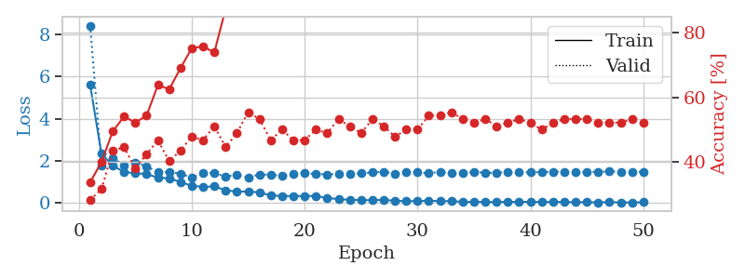
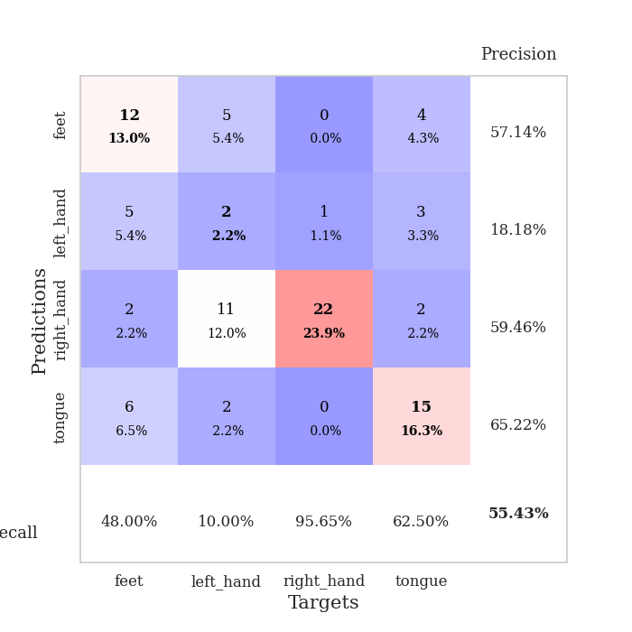
train_loss | valid_loss | train_accuracy | valid_accuracy | dur | train_misclass | valid_misclass
5.6001116193 | 8.4165439398 | 0.33695652174 | 0.28260869565 | 0.10178017616 | 33.695652174 | 28.260869565
2.3424856248 | 1.8017743567 | 0.39945652174 | 0.3152173913 | 0.10652112961 | 39.945652174 | 31.52173913
1.7846734627 | 2.1523993067 | 0.49456521739 | 0.4347826087 | 0.10724306107 | 49.456521739 | 43.47826087
1.4765217745 | 1.7860143133 | 0.54076086957 | 0.44565217391 | 0.11002182961 | 54.076086957 | 44.565217391
1.4254613208 | 1.9254189004 | 0.52173913043 | 0.38043478261 | 0.10425496101 | 52.173913043 | 38.043478261
1.3738639588 | 1.7483445587 | 0.54347826087 | 0.42391304348 | 0.10497117043 | 54.347826087 | 42.391304348
1.2167986113 | 1.4591213309 | 0.63858695652 | 0.46739130435 | 0.10795760155 | 63.858695652 | 46.739130435
1.1767173461 | 1.4797083295 | 0.625 | 0.40217391304 | 0.10531616211 | 62.5 | 40.217391304
1.0066342172 | 1.3970892818 | 0.6902173913 | 0.4347826087 | 0.10379076004 | 69.02173913 | 43.47826087
0.82559351688 | 1.2186187454 | 0.7527173913 | 0.47826086957 | 0.10742354393 | 75.27173913 | 47.826086957
0.77391413502 | 1.4372238646 | 0.75815217391 | 0.46739130435 | 0.10835433006 | 75.815217391 | 46.739130435
0.79609272661 | 1.4248016114 | 0.73913043478 | 0.51086956522 | 0.10206651688 | 73.913043478 | 51.086956522
0.61201817575 | 1.2609146367 | 0.875 | 0.44565217391 | 0.099243402481 | 87.5 | 44.565217391
0.55299098466 | 1.3512784994 | 0.9347826087 | 0.48913043478 | 0.11206197739 | 93.47826087 | 48.913043478
0.55288470569 | 1.2223947592 | 0.91847826087 | 0.55434782609 | 0.10583758354 | 91.847826087 | 55.434782609
0.51356128117 | 1.361069218 | 0.92934782609 | 0.53260869565 | 0.10174560547 | 92.934782609 | 53.260869565
0.3638096306 | 1.349653853 | 0.98369565217 | 0.46739130435 | 0.10919690132 | 98.369565217 | 46.739130435
0.34860376495 | 1.298195344 | 0.98369565217 | 0.5 | 0.10957884789 | 98.369565217 | 50
0.33383711978 | 1.3923594433 | 0.97010869565 | 0.46739130435 | 0.10907554626 | 97.010869565 | 46.739130435
0.34530092355 | 1.43217397 | 0.98369565217 | 0.46739130435 | 0.10297036171 | 98.369565217 | 46.739130435
0.33977544211 | 1.3850738017 | 1 | 0.5 | 0.11262822151 | 100 | 50
0.24822213323 | 1.3649116858 | 1 | 0.48913043478 | 0.10542988777 | 100 | 48.913043478
0.19243834897 | 1.3847741329 | 0.99456521739 | 0.53260869565 | 0.10518074036 | 99.456521739 | 53.260869565
0.16148862745 | 1.3711634356 | 1 | 0.51086956522 | 0.10268640518 | 100 | 51.086956522
0.14416071611 | 1.4185159206 | 0.99456521739 | 0.48913043478 | 0.10144543648 | 99.456521739 | 48.913043478
0.14420821591 | 1.45885396 | 1 | 0.53260869565 | 0.10960817337 | 100 | 53.260869565
0.15389441926 | 1.4898199931 | 1 | 0.51086956522 | 0.11122107506 | 100 | 51.086956522
0.11517575108 | 1.4086025642 | 1 | 0.47826086957 | 0.10567975044 | 100 | 47.826086957
0.096786739912 | 1.4680965776 | 1 | 0.5 | 0.10423183441 | 100 | 50
0.10053482587 | 1.4596542275 | 1 | 0.5 | 0.1119260788 | 100 | 50
0.11980910826 | 1.4170687199 | 1 | 0.54347826087 | 0.1050260067 | 100 | 54.347826087
0.095806960826 | 1.4931402517 | 1 | 0.54347826087 | 0.10808157921 | 100 | 54.347826087
0.10395125045 | 1.4258408391 | 1 | 0.55434782609 | 0.10361051559 | 100 | 55.434782609
0.058777973056 | 1.4128855881 | 1 | 0.53260869565 | 0.099580526352 | 100 | 53.260869565
0.063195456062 | 1.483027142 | 1 | 0.52173913043 | 0.10785913467 | 100 | 52.173913043
0.064699179533 | 1.4397995161 | 1 | 0.53260869565 | 0.10737156868 | 100 | 53.260869565
0.055368050123 | 1.4403885499 | 1 | 0.51086956522 | 0.10452246666 | 100 | 51.086956522
0.064261868596 | 1.4778045779 | 1 | 0.52173913043 | 0.10238051414 | 100 | 52.173913043
0.060517374305 | 1.4745555339 | 1 | 0.53260869565 | 0.10848069191 | 100 | 53.260869565
0.065622917214 | 1.4568522495 | 1 | 0.52173913043 | 0.10901761055 | 100 | 52.173913043
0.05855579905 | 1.4781829844 | 1 | 0.5 | 0.10431885719 | 100 | 50
0.061396089018 | 1.4933039468 | 1 | 0.52173913043 | 0.10802793503 | 100 | 52.173913043
0.057032851867 | 1.4859418351 | 1 | 0.53260869565 | 0.11071252823 | 100 | 53.260869565
0.049369359915 | 1.4750944117 | 1 | 0.53260869565 | 0.10968947411 | 100 | 53.260869565
0.048247958574 | 1.467623099 | 1 | 0.53260869565 | 0.11025667191 | 100 | 53.260869565
0.042870433677 | 1.4872342763 | 1 | 0.52173913043 | 0.10397911072 | 100 | 52.173913043
0.047799553601 | 1.5066308509 | 1 | 0.52173913043 | 0.10685682297 | 100 | 52.173913043
0.043450983727 | 1.485532517 | 1 | 0.52173913043 | 0.10869145393 | 100 | 52.173913043
0.032999086518 | 1.4783154208 | 1 | 0.53260869565 | 0.10011339188 | 100 | 53.260869565
0.045153204433 | 1.4925791336 | 1 | 0.52173913043 | 0.10363721848 | 100 | 52.173913043

Best Val accuracy is 0.5543478260869565 and Best test accuracy is 0.5344827586206896

Sheet3
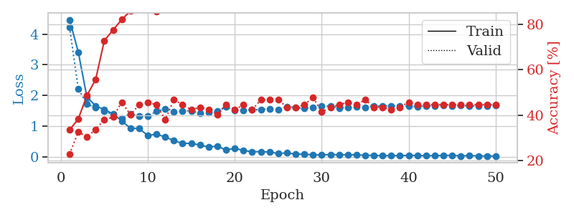
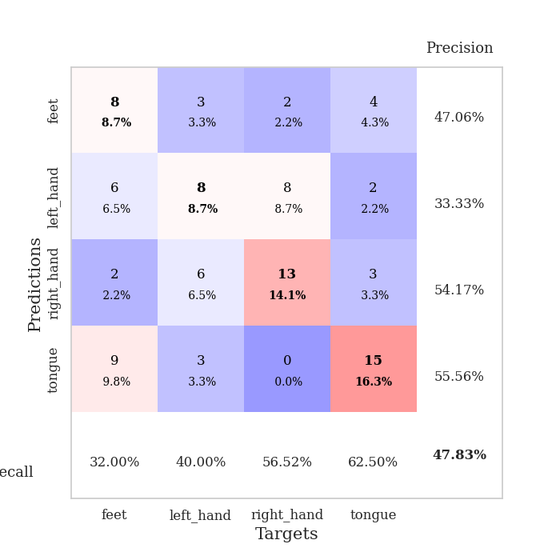
train_loss | valid_loss | train_accuracy | valid_accuracy | dur | train_misclass | valid_misclass
4.4665511484 | 4.2221732762 | 0.33423913043 | 0.22826086957 | 0.10012459755 | 33.423913043 | 22.826086957
3.4179558547 | 2.2262712251 | 0.38315217391 | 0.32608695652 | 0.096226215363 | 38.315217391 | 32.608695652
1.9471126691 | 1.7223534169 | 0.48641304348 | 0.30434782609 | 0.10231757164 | 48.641304348 | 30.434782609
1.6654294833 | 1.6127248173 | 0.55706521739 | 0.33695652174 | 0.10269784927 | 55.706521739 | 33.695652174
1.5439411635 | 1.4991354787 | 0.72826086957 | 0.38043478261 | 0.11150789261 | 72.826086957 | 38.043478261
1.4041849167 | 1.3764754326 | 0.77445652174 | 0.39130434783 | 0.10590219498 | 77.445652174 | 39.130434783
1.176144136 | 1.267541253 | 0.82065217391 | 0.45652173913 | 0.11063814163 | 82.065217391 | 45.652173913
0.93731378213 | 1.4091968796 | 0.85869565217 | 0.40217391304 | 0.11116313934 | 85.869565217 | 40.217391304
0.93004683567 | 1.3233062288 | 0.88858695652 | 0.44565217391 | 0.10851430893 | 88.858695652 | 44.565217391
0.69896982545 | 1.3309405005 | 0.9347826087 | 0.45652173913 | 0.1053109169 | 93.47826087 | 45.652173913
0.74629583437 | 1.4877656232 | 0.85597826087 | 0.44565217391 | 0.10900473595 | 85.597826087 | 44.565217391
0.65032204208 | 1.563519369 | 0.90760869565 | 0.38043478261 | 0.11074948311 | 90.760869565 | 38.043478261
0.53568857325 | 1.4635640227 | 0.96739130435 | 0.46739130435 | 0.10414147377 | 96.739130435 | 46.739130435
0.44085968642 | 1.5033585559 | 0.94565217391 | 0.44565217391 | 0.10619187355 | 94.565217391 | 44.565217391
0.44811519656 | 1.5055096409 | 0.97554347826 | 0.42391304348 | 0.11183905602 | 97.554347826 | 42.391304348
0.38889859844 | 1.4167711631 | 0.98913043478 | 0.4347826087 | 0.10587453842 | 98.913043478 | 43.47826087
0.32791351948 | 1.4493776404 | 0.98913043478 | 0.42391304348 | 0.11045622826 | 98.913043478 | 42.391304348
0.35568373359 | 1.4896823634 | 0.98913043478 | 0.40217391304 | 0.10913562775 | 98.913043478 | 40.217391304
0.22899608735 | 1.631262743 | 0.9972826087 | 0.44565217391 | 0.10933542252 | 99.72826087 | 44.565217391
0.28571476237 | 1.5231641427 | 1 | 0.42391304348 | 0.10505700111 | 100 | 42.391304348
0.21448127116 | 1.5280962509 | 1 | 0.44565217391 | 0.11034488678 | 100 | 44.565217391
0.17155749027 | 1.5335084252 | 1 | 0.42391304348 | 0.10949468613 | 100 | 42.391304348
0.17737222171 | 1.5455769093 | 1 | 0.46739130435 | 0.11581921577 | 100 | 46.739130435
0.16421540697 | 1.567934653 | 1 | 0.46739130435 | 0.10456418991 | 100 | 46.739130435
0.11658175192 | 1.5520960559 | 1 | 0.46739130435 | 0.10126471519 | 100 | 46.739130435
0.13396955265 | 1.6396570258 | 1 | 0.4347826087 | 0.10795140266 | 100 | 43.47826087
0.098555886713 | 1.6094912913 | 1 | 0.4347826087 | 0.10720467567 | 100 | 43.47826087
0.091562741396 | 1.5829953733 | 1 | 0.44565217391 | 0.10175943375 | 100 | 44.565217391
0.072295769968 | 1.6111880074 | 1 | 0.47826086957 | 0.11036348343 | 100 | 47.826086957
0.066611264063 | 1.6484884386 | 1 | 0.41304347826 | 0.10917592049 | 100 | 41.304347826
0.082247153572 | 1.6600136912 | 1 | 0.4347826087 | 0.10882234573 | 100 | 43.47826087
0.076522429028 | 1.5975360404 | 1 | 0.44565217391 | 0.11337208748 | 100 | 44.565217391
0.075574709669 | 1.6175328286 | 1 | 0.45652173913 | 0.10906243324 | 100 | 45.652173913
0.070572816807 | 1.6290358098 | 1 | 0.44565217391 | 0.1044857502 | 100 | 44.565217391
0.056879503409 | 1.6156323526 | 1 | 0.46739130435 | 0.10509228706 | 100 | 46.739130435
0.058111252101 | 1.6556626195 | 1 | 0.4347826087 | 0.10759949684 | 100 | 43.47826087
0.041871012269 | 1.6631147343 | 1 | 0.4347826087 | 0.10658097267 | 100 | 43.47826087
0.05088734072 | 1.6654772758 | 1 | 0.42391304348 | 0.10924100876 | 100 | 42.391304348
0.046896564086 | 1.659168373 | 1 | 0.4347826087 | 0.10943627357 | 100 | 43.47826087
0.054846785153 | 1.6512570796 | 1 | 0.45652173913 | 0.10891461372 | 100 | 45.652173913
0.051348878678 | 1.6448879657 | 1 | 0.44565217391 | 0.11314797401 | 100 | 44.565217391
0.045053838631 | 1.6622064217 | 1 | 0.44565217391 | 0.10713291168 | 100 | 44.565217391
0.046473023198 | 1.6666164657 | 1 | 0.44565217391 | 0.10866999626 | 100 | 44.565217391
0.051888935754 | 1.6712791401 | 1 | 0.44565217391 | 0.10096120834 | 100 | 44.565217391
0.05682031211 | 1.6692882828 | 1 | 0.44565217391 | 0.10839247704 | 100 | 44.565217391
0.037138549085 | 1.6796839963 | 1 | 0.44565217391 | 0.10042619705 | 100 | 44.565217391
0.049788954222 | 1.6657664258 | 1 | 0.44565217391 | 0.1080160141 | 100 | 44.565217391
0.037219496241 | 1.6553046341 | 1 | 0.44565217391 | 0.10854792595 | 100 | 44.565217391
0.034793644415 | 1.6530804168 | 1 | 0.44565217391 | 0.10024905205 | 100 | 44.565217391
0.033310894348 | 1.6833167439 | 1 | 0.44565217391 | 0.10340738297 | 100 | 44.565217391

Best Val accuracy is 0.4782608695652174 and Best test accuracy is 0.4224137931034483

Sheet4
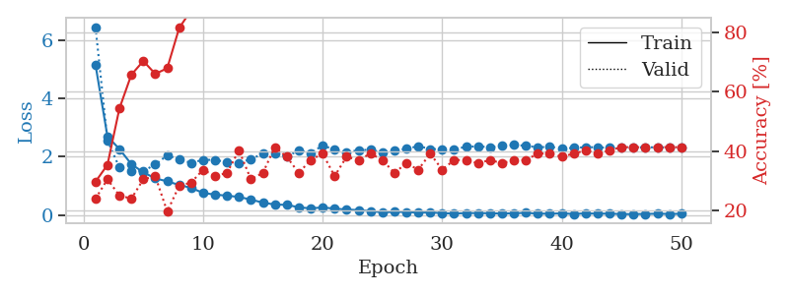
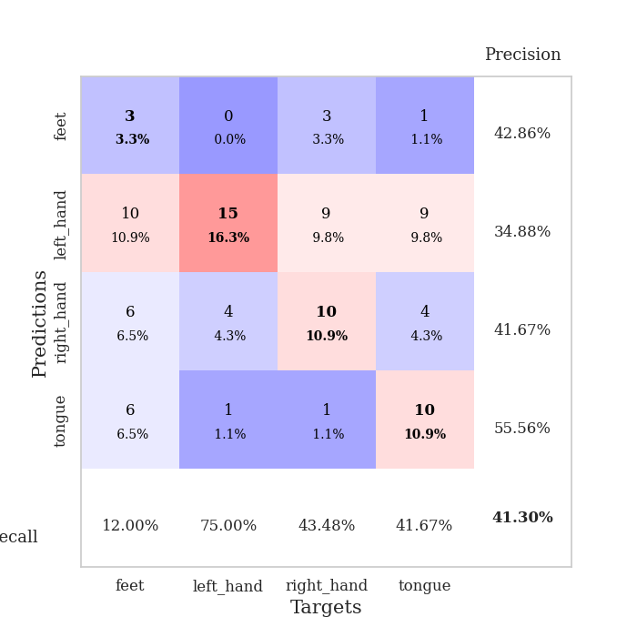
train_loss | valid_loss | train_accuracy | valid_accuracy | dur | train_misclass | valid_misclass
5.1690039583 | 6.4664875735 | 0.29619565217 | 0.23913043478 | 0.097780942917 | 29.619565217 | 23.913043478
2.7035106369 | 2.5680644719 | 0.35326086957 | 0.30434782609 | 0.09552526474 | 35.326086957 | 30.434782609
2.2682710886 | 1.6311719729 | 0.54347826087 | 0.25 | 0.095594167709 | 54.347826087 | 25
1.7479739889 | 1.5187376945 | 0.65760869565 | 0.23913043478 | 0.094824314117 | 65.760869565 | 23.913043478
1.4668091121 | 1.5181249069 | 0.70380434783 | 0.30434782609 | 0.095310688019 | 70.380434783 | 30.434782609
1.2577996798 | 1.7287129371 | 0.66032608696 | 0.3152173913 | 0.095246315002 | 66.032608696 | 31.52173913
1.1567472349 | 2.0554019731 | 0.67934782609 | 0.19565217391 | 0.1121327877 | 67.934782609 | 19.565217391
1.0312509925 | 1.9022313201 | 0.8152173913 | 0.28260869565 | 0.10309195518 | 81.52173913 | 28.260869565
0.93214516018 | 1.7947170579 | 0.875 | 0.29347826087 | 0.11085510254 | 87.5 | 29.347826087
0.75575799916 | 1.8952384565 | 0.91576086957 | 0.33695652174 | 0.10454368591 | 91.576086957 | 33.695652174
0.70059214856 | 1.8946363148 | 0.91304347826 | 0.3152173913 | 0.106341362 | 91.304347826 | 31.52173913
0.66163888055 | 1.8162973083 | 0.97282608696 | 0.32608695652 | 0.11004424095 | 97.282608696 | 32.608695652
0.6201863237 | 1.7892296781 | 0.98913043478 | 0.40217391304 | 0.10294604301 | 98.913043478 | 40.217391304
0.52640145628 | 1.9245596761 | 0.98641304348 | 0.30434782609 | 0.10648226738 | 98.641304348 | 30.434782609
0.42383322703 | 2.104202115 | 0.97554347826 | 0.32608695652 | 0.10621142387 | 97.554347826 | 32.608695652
0.35763072968 | 2.1069232796 | 0.99184782609 | 0.41304347826 | 0.10512518883 | 99.184782609 | 41.304347826
0.3471282131 | 2.0146358739 | 0.9972826087 | 0.38043478261 | 0.10949420929 | 99.72826087 | 38.043478261
0.26316132218 | 2.2146619817 | 0.99184782609 | 0.32608695652 | 0.1128051281 | 99.184782609 | 32.608695652
0.22495856201 | 2.1325953318 | 1 | 0.36956521739 | 0.11008620262 | 100 | 36.956521739
0.26001205943 | 2.3873694358 | 0.99456521739 | 0.39130434783 | 0.10127091408 | 99.456521739 | 39.130434783
0.21543174561 | 2.2514624699 | 1 | 0.3152173913 | 0.10531616211 | 100 | 31.52173913
0.1875608361 | 2.152025088 | 1 | 0.38043478261 | 0.10157060623 | 100 | 38.043478261
0.16599070524 | 2.2327574751 | 1 | 0.36956521739 | 0.10755395889 | 100 | 36.956521739
0.13265053426 | 2.2402191214 | 1 | 0.39130434783 | 0.10723638535 | 100 | 39.130434783
0.089459246186 | 2.1471454734 | 1 | 0.36956521739 | 0.10752081871 | 100 | 36.956521739
0.10516264371 | 2.2326033426 | 1 | 0.32608695652 | 0.10353565216 | 100 | 32.608695652
0.10054938989 | 2.2704074953 | 1 | 0.35869565217 | 0.10273051262 | 100 | 35.869565217
0.076914221291 | 2.3710244117 | 1 | 0.33695652174 | 0.10528874397 | 100 | 33.695652174
0.085608915952 | 2.2695819917 | 1 | 0.39130434783 | 0.10539913177 | 100 | 39.130434783
0.062389776738 | 2.2615113984 | 1 | 0.33695652174 | 0.10560917854 | 100 | 33.695652174
0.045330514402 | 2.267341111 | 1 | 0.36956521739 | 0.10484528542 | 100 | 36.956521739
0.065979619227 | 2.3408035714 | 1 | 0.36956521739 | 0.10111427307 | 100 | 36.956521739
0.063449347149 | 2.3654648739 | 1 | 0.35869565217 | 0.10673236847 | 100 | 35.869565217
0.059100760025 | 2.3261411916 | 1 | 0.36956521739 | 0.10459089279 | 100 | 36.956521739
0.044844689212 | 2.3774829429 | 1 | 0.35869565217 | 0.1084318161 | 100 | 35.869565217
0.058456431345 | 2.4085447166 | 1 | 0.36956521739 | 0.10590100288 | 100 | 36.956521739
0.07137884641 | 2.3826647945 | 1 | 0.36956521739 | 0.10942387581 | 100 | 36.956521739
0.045836962031 | 2.3247737055 | 1 | 0.39130434783 | 0.10912513733 | 100 | 39.130434783
0.041714349721 | 2.3491440441 | 1 | 0.39130434783 | 0.1020488739 | 100 | 39.130434783
0.053459735365 | 2.288366919 | 1 | 0.38043478261 | 0.10237240791 | 100 | 38.043478261
0.033834014412 | 2.307083814 | 1 | 0.39130434783 | 0.10895347595 | 100 | 39.130434783
0.053044154714 | 2.3332188855 | 1 | 0.40217391304 | 0.11085915565 | 100 | 40.217391304
0.04365329331 | 2.328685719 | 1 | 0.39130434783 | 0.10369229317 | 100 | 39.130434783
0.044599249676 | 2.3092842206 | 1 | 0.40217391304 | 0.10092592239 | 100 | 40.217391304
0.029866648878 | 2.311686578 | 1 | 0.41304347826 | 0.11539912224 | 100 | 41.304347826
0.028157967527 | 2.3258393951 | 1 | 0.41304347826 | 0.10037994385 | 100 | 41.304347826
0.035854842919 | 2.3324809593 | 1 | 0.41304347826 | 0.10456299782 | 100 | 41.304347826
0.040589518177 | 2.3223299462 | 1 | 0.41304347826 | 0.1075425148 | 100 | 41.304347826
0.035919163417 | 2.3292599657 | 1 | 0.41304347826 | 0.10517120361 | 100 | 41.304347826
0.037681466009 | 2.3069603029 | 1 | 0.41304347826 | 0.10875177383 | 100 | 41.304347826

Best Val accuracy is 0.41304347826086957 and Best test accuracy is 0.29310344827586204

Sheet5
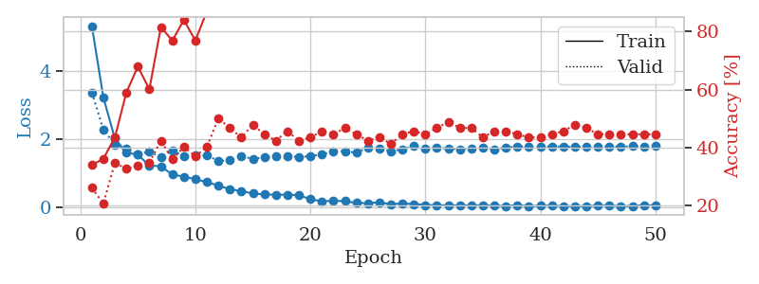
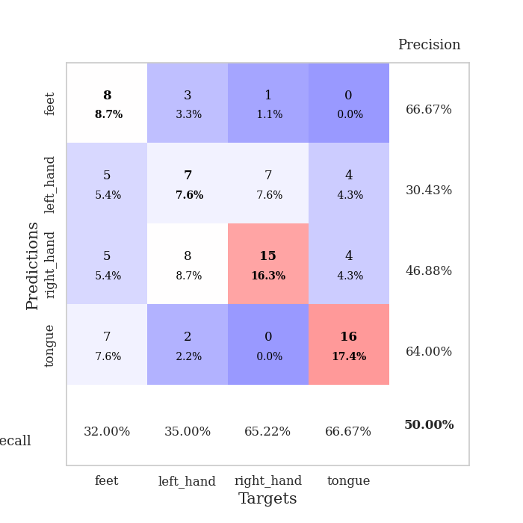
train_loss | valid_loss | train_accuracy | valid_accuracy | dur | train_misclass | valid_misclass
5.3282495063 | 3.37355452 | 0.33967391304 | 0.26086956522 | 0.10175418854 | 33.967391304 | 26.086956522
3.2305102037 | 2.2902030219 | 0.36141304348 | 0.20652173913 | 0.10278654099 | 36.141304348 | 20.652173913
2.0261011746 | 1.8479548693 | 0.4347826087 | 0.34782608696 | 0.10020756721 | 43.47826087 | 34.782608696
1.6074800025 | 1.7331069915 | 0.58967391304 | 0.32608695652 | 0.10385298729 | 58.967391304 | 32.608695652
1.5515622263 | 1.5631485193 | 0.67934782609 | 0.33695652174 | 0.10907173157 | 67.934782609 | 33.695652174
1.2264955018 | 1.6359330053 | 0.60054347826 | 0.34782608696 | 0.10525751114 | 60.054347826 | 34.782608696
1.2109406202 | 1.4728347944 | 0.8152173913 | 0.42391304348 | 0.09820318222 | 81.52173913 | 42.391304348
0.96317679208 | 1.6620637697 | 0.76902173913 | 0.35869565217 | 0.11187124252 | 76.902173913 | 35.869565217
0.90534956559 | 1.507142549 | 0.83967391304 | 0.40217391304 | 0.097957611084 | 83.967391304 | 40.217391304
0.82735538612 | 1.5230468719 | 0.76902173913 | 0.36956521739 | 0.10106706619 | 76.902173913 | 36.956521739
0.74614854092 | 1.5380446133 | 0.86956521739 | 0.40217391304 | 0.10398316383 | 86.956521739 | 40.217391304
0.63991161922 | 1.360441099 | 0.91847826087 | 0.5 | 0.10203289986 | 91.847826087 | 50
0.53701736357 | 1.3839034568 | 0.90760869565 | 0.46739130435 | 0.10740828514 | 90.760869565 | 46.739130435
0.47814750931 | 1.5094020678 | 0.88858695652 | 0.4347826087 | 0.10166072845 | 88.858695652 | 43.47826087
0.41028789204 | 1.4218787681 | 0.95923913043 | 0.47826086957 | 0.10817980766 | 95.923913043 | 47.826086957
0.37990715484 | 1.4736469932 | 0.99184782609 | 0.44565217391 | 0.10571813583 | 99.184782609 | 44.565217391
0.37479436462 | 1.5035985605 | 0.98097826087 | 0.42391304348 | 0.098554134369 | 98.097826087 | 42.391304348
0.37149225467 | 1.512965135 | 0.98097826087 | 0.45652173913 | 0.1039750576 | 98.097826087 | 45.652173913
0.35880082133 | 1.4794840579 | 0.9972826087 | 0.42391304348 | 0.10135173798 | 99.72826087 | 42.391304348
0.24220648327 | 1.5066652713 | 1 | 0.4347826087 | 0.11290383339 | 100 | 43.47826087
0.17946284912 | 1.5590145225 | 0.9972826087 | 0.45652173913 | 0.1009478569 | 99.72826087 | 45.652173913
0.19364434967 | 1.6425356865 | 1 | 0.44565217391 | 0.11503767967 | 100 | 44.565217391
0.18381140835 | 1.6523916307 | 1 | 0.46739130435 | 0.10437035561 | 100 | 46.739130435
0.13333031082 | 1.6076411786 | 1 | 0.44565217391 | 0.10103344917 | 100 | 44.565217391
0.12303716924 | 1.7549196585 | 1 | 0.42391304348 | 0.11544513702 | 100 | 42.391304348
0.14960563604 | 1.7338971003 | 0.9972826087 | 0.4347826087 | 0.094868183136 | 99.72826087 | 43.47826087
0.093465792096 | 1.6444087184 | 1 | 0.41304347826 | 0.10429406166 | 100 | 41.304347826
0.12056688632 | 1.709776925 | 1 | 0.44565217391 | 0.10790705681 | 100 | 44.565217391
0.096881268546 | 1.8106272376 | 1 | 0.45652173913 | 0.1044113636 | 100 | 45.652173913
0.069795779641 | 1.7385177405 | 1 | 0.44565217391 | 0.10937094688 | 100 | 44.565217391
0.064432077717 | 1.756663027 | 1 | 0.46739130435 | 0.10142278671 | 100 | 46.739130435
0.060771462548 | 1.7304833298 | 1 | 0.48913043478 | 0.10869789124 | 100 | 48.913043478
0.060741778463 | 1.7126167805 | 1 | 0.46739130435 | 0.11134934425 | 100 | 46.739130435
0.057099408308 | 1.7341041358 | 1 | 0.46739130435 | 0.10839414597 | 100 | 46.739130435
0.066923133745 | 1.7464298114 | 1 | 0.4347826087 | 0.10323381424 | 100 | 43.47826087
0.048658944221 | 1.7080579892 | 1 | 0.45652173913 | 0.10499572754 | 100 | 45.652173913
0.043415073872 | 1.7519337146 | 1 | 0.45652173913 | 0.11020970345 | 100 | 45.652173913
0.065937675293 | 1.7949277888 | 1 | 0.44565217391 | 0.10227251053 | 100 | 44.565217391
0.03751736685 | 1.7812711467 | 1 | 0.4347826087 | 0.095464468002 | 100 | 43.47826087
0.048789925185 | 1.7775002925 | 1 | 0.4347826087 | 0.095415115356 | 100 | 43.47826087
0.055031637823 | 1.7904811061 | 1 | 0.44565217391 | 0.096046447754 | 100 | 44.565217391
0.038662644792 | 1.7889183345 | 1 | 0.45652173913 | 0.095032215118 | 100 | 45.652173913
0.037533960467 | 1.7784915178 | 1 | 0.47826086957 | 0.11137843132 | 100 | 47.826086957
0.040357106325 | 1.7815849522 | 1 | 0.46739130435 | 0.10498714447 | 100 | 46.739130435
0.051525658604 | 1.796046029 | 1 | 0.44565217391 | 0.10473155975 | 100 | 44.565217391
0.053138976593 | 1.7903402577 | 1 | 0.44565217391 | 0.10761857033 | 100 | 44.565217391
0.039097202982 | 1.7814882579 | 1 | 0.44565217391 | 0.1042330265 | 100 | 44.565217391
0.043351079034 | 1.7996850066 | 1 | 0.44565217391 | 0.10736823082 | 100 | 44.565217391
0.067051005266 | 1.7770344641 | 1 | 0.44565217391 | 0.10879135132 | 100 | 44.565217391
0.055188551586 | 1.7978980489 | 1 | 0.44565217391 | 0.10063290596 | 100 | 44.565217391

Best Val accuracy is 0.5 and Best test accuracy is 0.47413793103448276

Sheet6
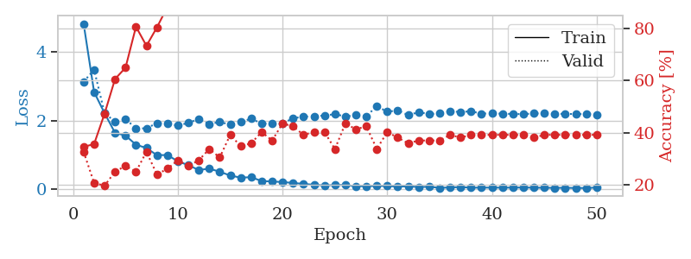
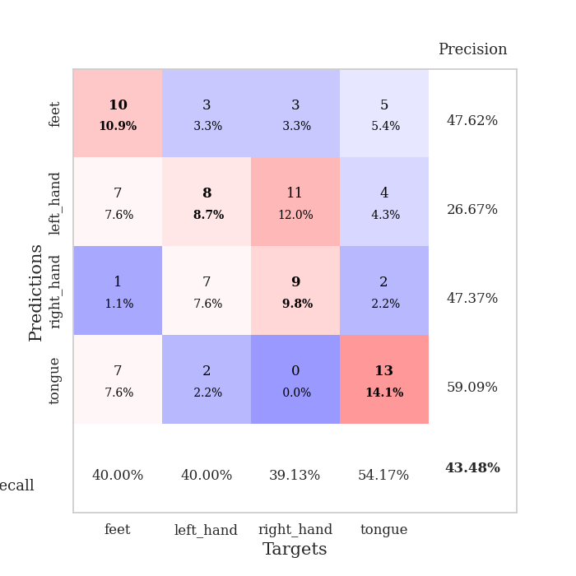
train_loss | valid_loss | train_accuracy | valid_accuracy | dur | train_misclass | valid_misclass
4.8246345883 | 3.1319863796 | 0.34510869565 | 0.32608695652 | 0.09969997406 | 34.510869565 | 32.608695652
2.8305063973 | 3.481109246 | 0.35597826087 | 0.20652173913 | 0.10396361351 | 35.597826087 | 20.652173913
2.2117391488 | 2.2160144267 | 0.47282608696 | 0.19565217391 | 0.1110868454 | 47.282608696 | 19.565217391
1.6381694286 | 1.9618239714 | 0.60597826087 | 0.25 | 0.12578773499 | 60.597826087 | 25
1.5597637736 | 2.038067911 | 0.64945652174 | 0.27173913043 | 0.12372398376 | 64.945652174 | 27.173913043
1.2912148548 | 1.7719718943 | 0.80706521739 | 0.25 | 0.096952199936 | 80.706521739 | 25
1.195475073 | 1.7677959981 | 0.73369565217 | 0.32608695652 | 0.09686088562 | 73.369565217 | 32.608695652
0.98597960368 | 1.9247204117 | 0.80434782609 | 0.23913043478 | 0.099826574326 | 80.434782609 | 23.913043478
0.99050605815 | 1.9006698961 | 0.88315217391 | 0.26086956522 | 0.10092687607 | 88.315217391 | 26.086956522
0.80666814421 | 1.853577733 | 0.9402173913 | 0.29347826087 | 0.10370445251 | 94.02173913 | 29.347826087
0.69492459945 | 1.9277200492 | 0.9402173913 | 0.27173913043 | 0.096788406372 | 94.02173913 | 27.173913043
0.55115535272 | 2.0466810724 | 0.9402173913 | 0.29347826087 | 0.10004281998 | 94.02173913 | 29.347826087
0.59351297241 | 1.8928097227 | 0.97554347826 | 0.33695652174 | 0.10056567192 | 97.554347826 | 33.695652174
0.5013661255 | 1.9574615955 | 0.98097826087 | 0.30434782609 | 0.10481333733 | 98.097826087 | 30.434782609
0.3920242903 | 1.8761082991 | 0.98913043478 | 0.39130434783 | 0.10433888435 | 98.913043478 | 39.130434783
0.32952661812 | 1.9580065945 | 0.99184782609 | 0.34782608696 | 0.10401344299 | 99.184782609 | 34.782608696
0.34306031206 | 2.0519561768 | 1 | 0.35869565217 | 0.1049747467 | 100 | 35.869565217
0.23034931428 | 1.9095387044 | 1 | 0.40217391304 | 0.10415244102 | 100 | 40.217391304
0.21757071822 | 1.9065036048 | 1 | 0.36956521739 | 0.10350990295 | 100 | 36.956521739
0.20011488332 | 1.9146737016 | 1 | 0.4347826087 | 0.10395431519 | 100 | 43.47826087
0.17536485519 | 2.0648476507 | 1 | 0.42391304348 | 0.10524153709 | 100 | 42.391304348
0.14616936688 | 2.1085621481 | 1 | 0.39130434783 | 0.096724748611 | 100 | 39.130434783
0.12154132436 | 2.1254908935 | 1 | 0.40217391304 | 0.10720157623 | 100 | 40.217391304
0.10162058894 | 2.1426194647 | 1 | 0.40217391304 | 0.10057258606 | 100 | 40.217391304
0.11362228518 | 2.1845570958 | 1 | 0.33695652174 | 0.099394798279 | 100 | 33.695652174
0.11353370944 | 2.1163066988 | 1 | 0.4347826087 | 0.10004353523 | 100 | 43.47826087
0.079680557646 | 2.1521256592 | 1 | 0.41304347826 | 0.10371279716 | 100 | 41.304347826
0.079790171155 | 2.126426194 | 1 | 0.42391304348 | 0.10412955284 | 100 | 42.391304348
0.088074076678 | 2.4150754058 | 1 | 0.33695652174 | 0.097357749939 | 100 | 33.695652174
0.085013932427 | 2.2558891566 | 1 | 0.40217391304 | 0.10382580757 | 100 | 40.217391304
0.06843718364 | 2.2915857875 | 1 | 0.38043478261 | 0.10421991348 | 100 | 38.043478261
0.07457328195 | 2.1555129238 | 1 | 0.35869565217 | 0.10036635399 | 100 | 35.869565217
0.057097174389 | 2.2424364712 | 1 | 0.36956521739 | 0.09641289711 | 100 | 36.956521739
0.062179753091 | 2.1864907431 | 1 | 0.36956521739 | 0.10430073738 | 100 | 36.956521739
0.033407680711 | 2.2068218252 | 1 | 0.36956521739 | 0.097070455551 | 100 | 36.956521739
0.042156903215 | 2.2631666246 | 1 | 0.39130434783 | 0.11208677292 | 100 | 39.130434783
0.055839311615 | 2.2499509169 | 1 | 0.38043478261 | 0.10001659393 | 100 | 38.043478261
0.035128484885 | 2.2659213647 | 1 | 0.39130434783 | 0.099421262741 | 100 | 39.130434783
0.038951007811 | 2.1993940291 | 1 | 0.39130434783 | 0.10751461983 | 100 | 39.130434783
0.03756996971 | 2.2105153229 | 1 | 0.39130434783 | 0.096880197525 | 100 | 39.130434783
0.0377651583 | 2.1953459097 | 1 | 0.39130434783 | 0.10021114349 | 100 | 39.130434783
0.038504444427 | 2.1914038554 | 1 | 0.39130434783 | 0.10037755966 | 100 | 39.130434783
0.04150222578 | 2.1830888002 | 1 | 0.39130434783 | 0.10419940948 | 100 | 39.130434783
0.036485422808 | 2.2053125319 | 1 | 0.38043478261 | 0.099832773209 | 100 | 38.043478261
0.034020412207 | 2.2029645858 | 1 | 0.39130434783 | 0.099959135056 | 100 | 39.130434783
0.031270426759 | 2.1943268672 | 1 | 0.39130434783 | 0.10056471825 | 100 | 39.130434783
0.033287271047 | 2.1917615248 | 1 | 0.39130434783 | 0.10417675972 | 100 | 39.130434783
0.02778920094 | 2.186227218 | 1 | 0.39130434783 | 0.1007809639 | 100 | 39.130434783
0.027390913906 | 2.1873108304 | 1 | 0.39130434783 | 0.10395526886 | 100 | 39.130434783
0.03948277647 | 2.1721675396 | 1 | 0.39130434783 | 0.09682059288 | 100 | 39.130434783

Best Val accuracy is 0.43478260869565216 and Best test accuracy is 0.31896551724137934

Sheet7
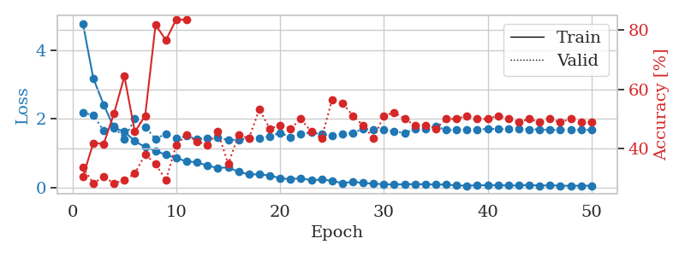
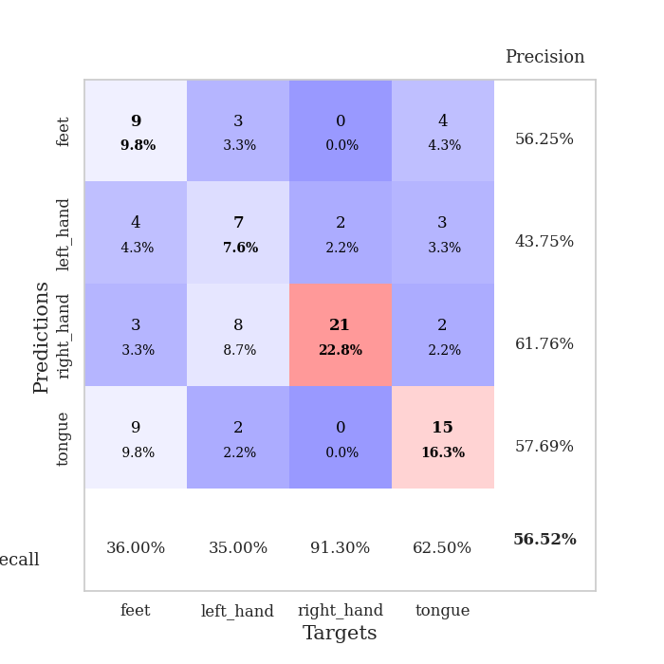
train_loss | valid_loss | train_accuracy | valid_accuracy | dur | train_misclass | valid_misclass
4.7909108349 | 2.1774615205 | 0.30434782609 | 0.33695652174 | 0.10691666603 | 30.434782609 | 33.695652174
3.1903840096 | 2.120610092 | 0.41847826087 | 0.28260869565 | 0.11106157303 | 41.847826087 | 28.260869565
2.4219410938 | 1.6519716252 | 0.41576086957 | 0.30434782609 | 0.10227656364 | 41.576086957 | 30.434782609
1.7393086268 | 1.7761848854 | 0.51902173913 | 0.28260869565 | 0.096540689468 | 51.902173913 | 28.260869565
1.6343965738 | 1.4238396676 | 0.64402173913 | 0.29347826087 | 0.10581159592 | 64.402173913 | 29.347826087
1.3518410195 | 2.0035617922 | 0.45652173913 | 0.3152173913 | 0.096389055252 | 45.652173913 | 31.52173913
1.1838159535 | 1.7671285453 | 0.51086956522 | 0.38043478261 | 0.10230875015 | 51.086956522 | 38.043478261
1.0708124508 | 1.4225851712 | 0.81793478261 | 0.34782608696 | 0.10611581802 | 81.793478261 | 34.782608696
0.95503541179 | 1.5656888381 | 0.76630434783 | 0.29347826087 | 0.10403728485 | 76.630434783 | 29.347826087
0.85873618722 | 1.4316594031 | 0.83695652174 | 0.41304347826 | 0.10064888 | 83.695652174 | 41.304347826
0.76166051108 | 1.5082800518 | 0.83423913043 | 0.44565217391 | 0.1000752449 | 83.423913043 | 44.565217391
0.73854662931 | 1.4112231809 | 0.91032608696 | 0.42391304348 | 0.099795818329 | 91.032608696 | 42.391304348
0.6350027854 | 1.4466923786 | 0.94293478261 | 0.41304347826 | 0.1067609787 | 94.293478261 | 41.304347826
0.57221763419 | 1.4585889345 | 0.9375 | 0.45652173913 | 0.10192322731 | 93.75 | 45.652173913
0.5882534592 | 1.3853565791 | 0.95108695652 | 0.34782608696 | 0.1020283699 | 95.108695652 | 34.782608696
0.45789112475 | 1.3978687266 | 0.96467391304 | 0.44565217391 | 0.095972061157 | 96.467391304 | 44.565217391
0.38367771131 | 1.4389875142 | 0.97554347826 | 0.4347826087 | 0.095405578613 | 97.554347826 | 43.47826087
0.38408438343 | 1.4343963058 | 0.97826086957 | 0.53260869565 | 0.095435380936 | 97.826086957 | 53.260869565
0.35099944731 | 1.5005554946 | 0.9972826087 | 0.46739130435 | 0.10363984108 | 99.72826087 | 46.739130435
0.2745527353 | 1.5946648199 | 0.97554347826 | 0.47826086957 | 0.10517668724 | 97.554347826 | 47.826086957
0.24262000815 | 1.4723464095 | 1 | 0.46739130435 | 0.10925459862 | 100 | 46.739130435
0.27412900037 | 1.570061567 | 1 | 0.5 | 0.10446929932 | 100 | 50
0.20997650824 | 1.6066578082 | 1 | 0.45652173913 | 0.10942173004 | 100 | 45.652173913
0.23375273269 | 1.5622905726 | 0.99456521739 | 0.4347826087 | 0.10606789589 | 99.456521739 | 43.47826087
0.20067970309 | 1.5057588401 | 1 | 0.5652173913 | 0.10909438133 | 100 | 56.52173913
0.12419904979 | 1.5616437171 | 1 | 0.55434782609 | 0.11090373993 | 100 | 55.434782609
0.16912860197 | 1.5889181806 | 1 | 0.51086956522 | 0.10817956924 | 100 | 51.086956522
0.13084635932 | 1.7189374307 | 1 | 0.47826086957 | 0.10899806023 | 100 | 47.826086957
0.11374662695 | 1.6827472785 | 1 | 0.4347826087 | 0.11263632774 | 100 | 43.47826087
0.097257221846 | 1.6934739403 | 1 | 0.51086956522 | 0.10937356949 | 100 | 51.086956522
0.087295831869 | 1.6354775247 | 1 | 0.52173913043 | 0.10756921768 | 100 | 52.173913043
0.096123975985 | 1.5938001845 | 1 | 0.5 | 0.10771918297 | 100 | 50
0.097261480299 | 1.7054868755 | 1 | 0.47826086957 | 0.10581707954 | 100 | 47.826086957
0.095935087489 | 1.7243675227 | 1 | 0.47826086957 | 0.10590052605 | 100 | 47.826086957
0.085385631608 | 1.7828767507 | 1 | 0.46739130435 | 0.10203504562 | 100 | 46.739130435
0.087752863198 | 1.6778680319 | 1 | 0.5 | 0.10564136505 | 100 | 50
0.056200466038 | 1.6762552909 | 1 | 0.5 | 0.10187911987 | 100 | 50
0.054327074236 | 1.6903452873 | 1 | 0.51086956522 | 0.10463285446 | 100 | 51.086956522
0.065055395841 | 1.6974822931 | 1 | 0.5 | 0.11640167236 | 100 | 50
0.064271374079 | 1.7112556618 | 1 | 0.5 | 0.10609722137 | 100 | 50
0.06454301091 | 1.711818721 | 1 | 0.51086956522 | 0.11003541946 | 100 | 51.086956522
0.060464206759 | 1.7008025854 | 1 | 0.5 | 0.10947084427 | 100 | 50
0.056739644107 | 1.7161437014 | 1 | 0.48913043478 | 0.11170554161 | 100 | 48.913043478
0.074801899047 | 1.698389906 | 1 | 0.5 | 0.10509204865 | 100 | 50
0.054776961834 | 1.6995424965 | 1 | 0.48913043478 | 0.11254525185 | 100 | 48.913043478
0.064896792052 | 1.6796585062 | 1 | 0.5 | 0.1120569706 | 100 | 50
0.053720540165 | 1.6888067515 | 1 | 0.48913043478 | 0.10476279259 | 100 | 48.913043478
0.049758924576 | 1.6800869962 | 1 | 0.5 | 0.1094686985 | 100 | 50
0.05451878881 | 1.6871512377 | 1 | 0.48913043478 | 0.10859441757 | 100 | 48.913043478
0.052191695644 | 1.6817820409 | 1 | 0.48913043478 | 0.1092376709 | 100 | 48.913043478

Best Val accuracy is 0.5652173913043478 and Best test accuracy is 0.45689655172413796

Sheet8
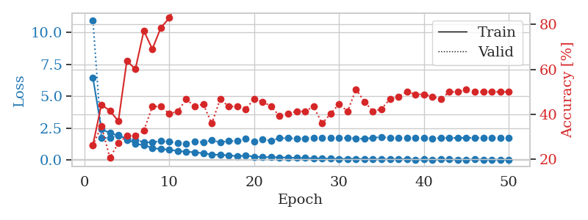
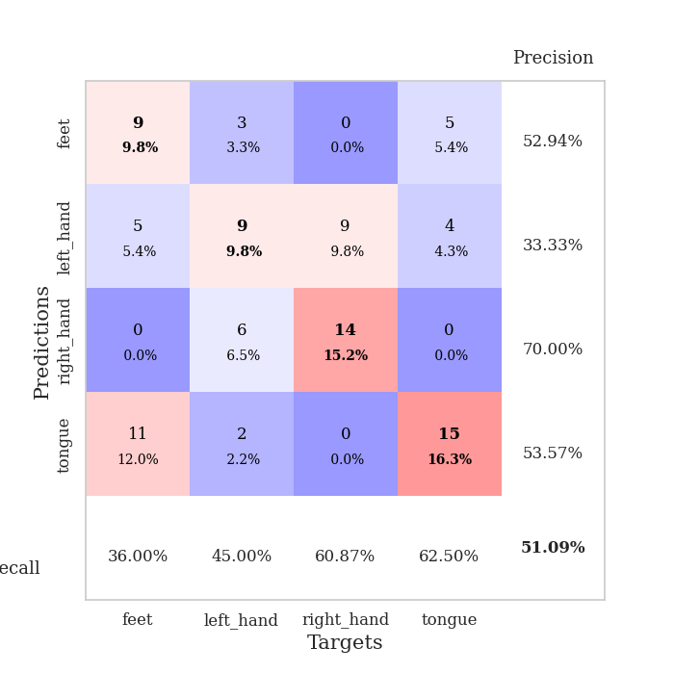
train_loss | valid_loss | train_accuracy | valid_accuracy | dur | train_misclass | valid_misclass
6.4666283234 | 10.95323658 | 0.26358695652 | 0.26086956522 | 0.10982632637 | 26.358695652 | 26.086956522
2.4072699702 | 1.7617686365 | 0.44293478261 | 0.34782608696 | 0.11084985733 | 44.293478261 | 34.782608696
2.1418613195 | 1.7185436539 | 0.41576086957 | 0.20652173913 | 0.10294699669 | 41.576086957 | 20.652173913
1.9046573172 | 1.9582541404 | 0.36956521739 | 0.27173913043 | 0.10622644424 | 36.956521739 | 27.173913043
1.7063587282 | 1.5971295471 | 0.63858695652 | 0.30434782609 | 0.10424613953 | 63.858695652 | 30.434782609
1.2657092913 | 1.599765845 | 0.60054347826 | 0.30434782609 | 0.11407732964 | 60.054347826 | 30.434782609
1.1865272781 | 1.4028568009 | 0.77173913043 | 0.32608695652 | 0.1033616066 | 77.173913043 | 32.608695652
0.95377833688 | 1.39578514 | 0.6902173913 | 0.4347826087 | 0.10547351837 | 69.02173913 | 43.47826087
0.86089760843 | 1.4996364635 | 0.78532608696 | 0.4347826087 | 0.10620713234 | 78.532608696 | 43.47826087
0.82328049774 | 1.4380447968 | 0.82880434783 | 0.40217391304 | 0.10885429382 | 82.880434783 | 40.217391304
0.71009439619 | 1.3684026521 | 0.91032608696 | 0.41304347826 | 0.10546255112 | 91.032608696 | 41.304347826
0.678194633 | 1.3131861117 | 0.90489130435 | 0.46739130435 | 0.10275578499 | 90.489130435 | 46.739130435
0.61149702254 | 1.463068633 | 0.92391304348 | 0.4347826087 | 0.11469984055 | 92.391304348 | 43.47826087
0.54868041951 | 1.4035260263 | 0.96467391304 | 0.44565217391 | 0.11309289932 | 96.467391304 | 44.565217391
0.44002813878 | 1.5599114014 | 0.96739130435 | 0.35869565217 | 0.10496687889 | 96.739130435 | 35.869565217
0.41934274914 | 1.3941996849 | 0.97282608696 | 0.46739130435 | 0.11226820946 | 97.282608696 | 46.739130435
0.37605265301 | 1.4985747104 | 0.97554347826 | 0.4347826087 | 0.10843873024 | 97.554347826 | 43.47826087
0.31603896618 | 1.4924053109 | 0.98369565217 | 0.4347826087 | 0.10231566429 | 98.369565217 | 43.47826087
0.35773676699 | 1.6675309565 | 0.98641304348 | 0.42391304348 | 0.10511779785 | 98.641304348 | 42.391304348
0.28115607928 | 1.4644237653 | 0.99184782609 | 0.46739130435 | 0.10491895676 | 99.184782609 | 46.739130435
0.23336751727 | 1.6048502611 | 0.9972826087 | 0.45652173913 | 0.10972929001 | 99.72826087 | 45.652173913
0.24086621355 | 1.5246003866 | 0.99456521739 | 0.4347826087 | 0.1124112606 | 99.456521739 | 43.47826087
0.2163496526 | 1.7275942668 | 0.9972826087 | 0.39130434783 | 0.10605740547 | 99.72826087 | 39.130434783
0.2100731217 | 1.7174323538 | 0.98641304348 | 0.40217391304 | 0.10936546326 | 98.641304348 | 40.217391304
0.17734543607 | 1.6969912881 | 1 | 0.41304347826 | 0.099570035934 | 100 | 41.304347826
0.1679504155 | 1.7153803628 | 1 | 0.41304347826 | 0.10550808907 | 100 | 41.304347826
0.1459673878 | 1.7301062035 | 1 | 0.4347826087 | 0.10717439651 | 100 | 43.47826087
0.14115089397 | 1.7222580236 | 1 | 0.35869565217 | 0.10211610794 | 100 | 35.869565217
0.11216293348 | 1.7365353418 | 1 | 0.40217391304 | 0.11392712593 | 100 | 40.217391304
0.10293749963 | 1.7393142711 | 1 | 0.44565217391 | 0.099204301834 | 100 | 44.565217391
0.10313720993 | 1.7517981115 | 1 | 0.41304347826 | 0.10715079308 | 100 | 41.304347826
0.09971082413 | 1.6954877273 | 1 | 0.51086956522 | 0.10832452774 | 100 | 51.086956522
0.089990931725 | 1.6671569607 | 1 | 0.45652173913 | 0.10394072533 | 100 | 45.652173913
0.069625451594 | 1.7545059816 | 1 | 0.41304347826 | 0.1092031002 | 100 | 41.304347826
0.076397795068 | 1.8088877408 | 1 | 0.42391304348 | 0.10130834579 | 100 | 42.391304348
0.076041355324 | 1.7625026703 | 1 | 0.46739130435 | 0.10954165459 | 100 | 46.739130435
0.079790009672 | 1.7475803365 | 1 | 0.47826086957 | 0.10439419746 | 100 | 47.826086957
0.079359840197 | 1.7535980422 | 1 | 0.5 | 0.10370254517 | 100 | 50
0.050437296093 | 1.7391685196 | 1 | 0.48913043478 | 0.11040997505 | 100 | 48.913043478
0.055582267698 | 1.7286144132 | 1 | 0.48913043478 | 0.1078813076 | 100 | 48.913043478
0.048081837271 | 1.7142327972 | 1 | 0.47826086957 | 0.10650610924 | 100 | 47.826086957
0.057162279344 | 1.730044904 | 1 | 0.46739130435 | 0.10297513008 | 100 | 46.739130435
0.056362258756 | 1.7437773736 | 1 | 0.5 | 0.11038255692 | 100 | 50
0.046185345753 | 1.7470378202 | 1 | 0.5 | 0.10292100906 | 100 | 50
0.039173947607 | 1.750411526 | 1 | 0.51086956522 | 0.1064221859 | 100 | 51.086956522
0.068039985779 | 1.7553964387 | 1 | 0.5 | 0.11149477959 | 100 | 50
0.049551689876 | 1.755289622 | 1 | 0.5 | 0.10917806625 | 100 | 50
0.041472750797 | 1.7677207149 | 1 | 0.5 | 0.10593509674 | 100 | 50
0.050632417769 | 1.7599371257 | 1 | 0.5 | 0.10362863541 | 100 | 50
0.049811654825 | 1.7534099558 | 1 | 0.5 | 0.10991120338 | 100 | 50

Best Val accuracy is 0.5108695652173914 and Best test accuracy is 0.4224137931034483

Sheet9
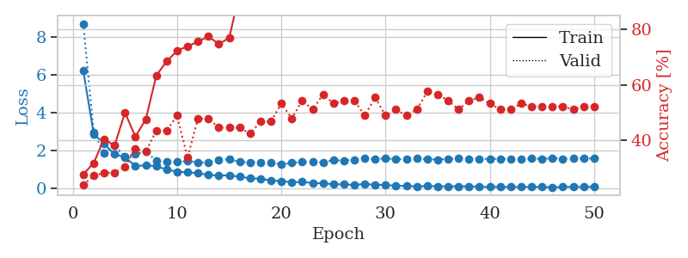
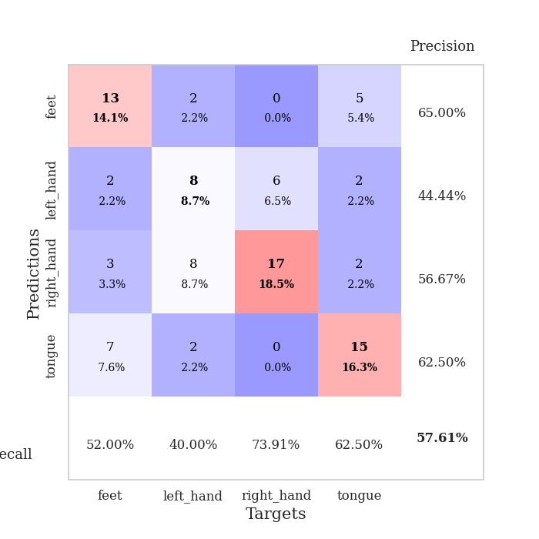
train_loss | valid_loss | train_accuracy | valid_accuracy | dur | train_misclass | valid_misclass
6.2208696863 | 8.7021450789 | 0.27717391304 | 0.23913043478 | 0.10470175743 | 27.717391304 | 23.913043478
2.8777144059 | 2.963815886 | 0.31793478261 | 0.27173913043 | 0.11119771004 | 31.793478261 | 27.173913043
2.3506925884 | 1.8551578729 | 0.40489130435 | 0.28260869565 | 0.10299873352 | 40.489130435 | 28.260869565
1.7958724136 | 2.2719082625 | 0.38043478261 | 0.28260869565 | 0.098814964294 | 38.043478261 | 28.260869565
1.6456581743 | 1.658367328 | 0.5 | 0.30434782609 | 0.10995101929 | 50 | 30.434782609
1.1724482852 | 1.8027507689 | 0.41304347826 | 0.36956521739 | 0.10307431221 | 41.304347826 | 36.956521739
1.2194199484 | 1.9393024289 | 0.47554347826 | 0.35869565217 | 0.11364889145 | 47.554347826 | 35.869565217
1.1570899538 | 1.4558551441 | 0.63315217391 | 0.4347826087 | 0.10920524597 | 63.315217391 | 43.47826087
0.99573238777 | 1.4091753934 | 0.6847826087 | 0.4347826087 | 0.10627174377 | 68.47826087 | 43.47826087
0.87424309617 | 1.3844571295 | 0.72282608696 | 0.48913043478 | 0.1055226326 | 72.282608696 | 48.913043478
0.84408190717 | 1.4466028784 | 0.73913043478 | 0.33695652174 | 0.09951376915 | 73.913043478 | 33.695652174
0.79639953634 | 1.3664755407 | 0.75543478261 | 0.47826086957 | 0.1094892025 | 75.543478261 | 47.826086957
0.70231810212 | 1.3610760259 | 0.77445652174 | 0.47826086957 | 0.1105928421 | 77.445652174 | 47.826086957
0.67690594689 | 1.5066833833 | 0.7472826087 | 0.44565217391 | 0.10635256767 | 74.72826087 | 44.565217391
0.68016262676 | 1.5287441119 | 0.76902173913 | 0.44565217391 | 0.11006045341 | 76.902173913 | 44.565217391
0.61501545167 | 1.3953022283 | 0.93206521739 | 0.44565217391 | 0.10844373703 | 93.206521739 | 44.565217391
0.5233899653 | 1.3609746487 | 0.92663043478 | 0.42391304348 | 0.10930967331 | 92.663043478 | 42.391304348
0.50131536502 | 1.3748937897 | 0.96739130435 | 0.46739130435 | 0.11037659645 | 96.739130435 | 46.739130435
0.41152545615 | 1.3743853414 | 0.96195652174 | 0.46739130435 | 0.10250759125 | 96.195652174 | 46.739130435
0.37794535121 | 1.2519688477 | 0.97826086957 | 0.53260869565 | 0.10628843307 | 97.826086957 | 53.260869565
0.31360250485 | 1.3483180637 | 0.98641304348 | 0.47826086957 | 0.1095957756 | 98.641304348 | 47.826086957
0.34186397687 | 1.390646411 | 0.97010869565 | 0.54347826087 | 0.10325908661 | 97.010869565 | 54.347826087
0.273058413 | 1.391304125 | 0.99456521739 | 0.51086956522 | 0.11015319824 | 99.456521739 | 51.086956522
0.26102585507 | 1.372266899 | 0.9972826087 | 0.5652173913 | 0.10972929001 | 99.72826087 | 56.52173913
0.21135749312 | 1.4848101035 | 1 | 0.53260869565 | 0.10749578476 | 100 | 53.260869565
0.20457358027 | 1.463025347 | 0.9972826087 | 0.54347826087 | 0.10162854195 | 99.72826087 | 54.347826087
0.180691853 | 1.5070457096 | 0.99456521739 | 0.54347826087 | 0.10279607773 | 99.456521739 | 54.347826087
0.21986302733 | 1.6071242923 | 0.9972826087 | 0.48913043478 | 0.11099863052 | 99.72826087 | 48.913043478
0.18881162288 | 1.5357841772 | 1 | 0.55434782609 | 0.10576725006 | 100 | 55.434782609
0.1724665578 | 1.5824879408 | 1 | 0.48913043478 | 0.10963010788 | 100 | 48.913043478
0.13038452051 | 1.5385734309 | 1 | 0.51086956522 | 0.10961413383 | 100 | 51.086956522
0.11958865643 | 1.5431760601 | 1 | 0.48913043478 | 0.11032819748 | 100 | 48.913043478
0.098754748702 | 1.5757276908 | 1 | 0.51086956522 | 0.10760354996 | 100 | 51.086956522
0.11696260058 | 1.5330294267 | 1 | 0.57608695652 | 0.10492300987 | 100 | 57.608695652
0.10561351069 | 1.5178762571 | 1 | 0.5652173913 | 0.10851693153 | 100 | 56.52173913
0.093986363758 | 1.543462831 | 1 | 0.54347826087 | 0.10799813271 | 100 | 54.347826087
0.10517092308 | 1.5673317391 | 1 | 0.51086956522 | 0.11208844185 | 100 | 51.086956522
0.094538440685 | 1.5454098038 | 1 | 0.54347826087 | 0.10476326942 | 100 | 54.347826087
0.083600340897 | 1.5502795914 | 1 | 0.55434782609 | 0.10576105118 | 100 | 55.434782609
0.064103138917 | 1.5594878871 | 1 | 0.53260869565 | 0.10473442078 | 100 | 53.260869565
0.075737058064 | 1.5468110468 | 1 | 0.51086956522 | 0.10551738739 | 100 | 51.086956522
0.065390441607 | 1.5628225285 | 1 | 0.51086956522 | 0.10484671593 | 100 | 51.086956522
0.075138723032 | 1.5601292538 | 1 | 0.53260869565 | 0.10585165024 | 100 | 53.260869565
0.068744732715 | 1.5667694703 | 1 | 0.52173913043 | 0.095333576202 | 100 | 52.173913043
0.064330626765 | 1.5586063499 | 1 | 0.52173913043 | 0.094388961792 | 100 | 52.173913043
0.05286946828 | 1.5833539185 | 1 | 0.52173913043 | 0.11277675629 | 100 | 52.173913043
0.0654515143 | 1.5626565581 | 1 | 0.52173913043 | 0.1091029644 | 100 | 52.173913043
0.078400925733 | 1.5815164784 | 1 | 0.51086956522 | 0.1118645668 | 100 | 51.086956522
0.070177775362 | 1.5728394882 | 1 | 0.52173913043 | 0.10456895828 | 100 | 52.173913043
0.076363288797 | 1.5780031992 | 1 | 0.52173913043 | 0.11068582535 | 100 | 52.173913043

Best Val accuracy is 0.5760869565217391 and Best test accuracy is 0.5

Sheet10
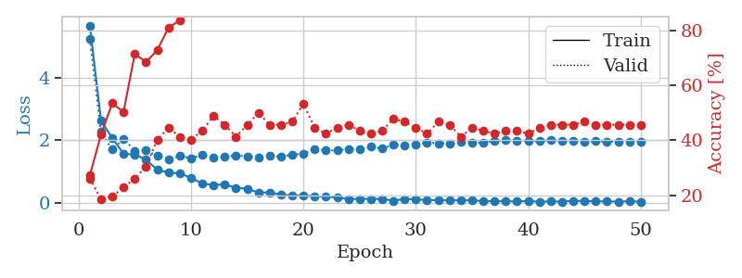
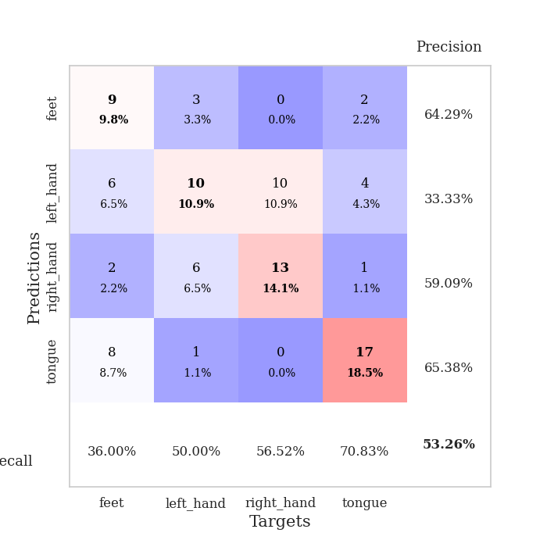
train_loss | valid_loss | train_accuracy | valid_accuracy | dur | train_misclass | valid_misclass
5.6662549973 | 5.2442933995 | 0.27173913043 | 0.26086956522 | 0.099516868591 | 27.173913043 | 26.086956522
2.6184429345 | 2.2604602834 | 0.42119565217 | 0.1847826087 | 0.10040831566 | 42.119565217 | 18.47826087
2.0657048588 | 1.6994820004 | 0.53532608696 | 0.19565217391 | 0.10636568069 | 53.532608696 | 19.565217391
1.5666126687 | 2.0430864769 | 0.5027173913 | 0.22826086957 | 0.10540151596 | 50.27173913 | 22.826086957
1.5426274538 | 1.6654064914 | 0.71467391304 | 0.26086956522 | 0.10585069656 | 71.467391304 | 26.086956522
1.374959601 | 1.6693671683 | 0.6847826087 | 0.30434782609 | 0.11110973358 | 68.47826087 | 30.434782609
1.055308158 | 1.5060532819 | 0.72826086957 | 0.40217391304 | 0.11337041855 | 72.826086957 | 40.217391304
0.96509217698 | 1.3870670277 | 0.8097826087 | 0.44565217391 | 0.10414218903 | 80.97826087 | 44.565217391
0.93915655302 | 1.4954852591 | 0.83695652174 | 0.41304347826 | 0.10500335693 | 83.695652174 | 41.304347826
0.79988634845 | 1.4251866444 | 0.89945652174 | 0.40217391304 | 0.10653948784 | 89.945652174 | 40.217391304
0.61139603542 | 1.5211080727 | 0.92119565217 | 0.4347826087 | 0.11116051674 | 92.119565217 | 43.47826087
0.56959791935 | 1.4421180642 | 0.91576086957 | 0.48913043478 | 0.1044049263 | 91.576086957 | 48.913043478
0.58429349246 | 1.4641589445 | 0.90760869565 | 0.45652173913 | 0.10199832916 | 90.760869565 | 45.652173913
0.47754203949 | 1.5152360408 | 0.97554347826 | 0.41304347826 | 0.10648417473 | 97.554347826 | 41.304347826
0.44662873447 | 1.4792916982 | 0.99184782609 | 0.45652173913 | 0.1150188446 | 99.184782609 | 45.652173913
0.3260548876 | 1.4590446586 | 0.99184782609 | 0.5 | 0.10781764984 | 99.184782609 | 50
0.33189396139 | 1.4997851745 | 0.99456521739 | 0.45652173913 | 0.10256552696 | 99.456521739 | 45.652173913
0.25802073336 | 1.466893533 | 0.99456521739 | 0.45652173913 | 0.10449051857 | 99.456521739 | 45.652173913
0.23059875324 | 1.5414609494 | 0.9972826087 | 0.46739130435 | 0.10761713982 | 99.72826087 | 46.739130435
0.23423540787 | 1.5652586118 | 1 | 0.53260869565 | 0.10816693306 | 100 | 53.260869565
0.21193251208 | 1.7235831541 | 1 | 0.44565217391 | 0.10246324539 | 100 | 44.565217391
0.19758528649 | 1.6695582348 | 1 | 0.42391304348 | 0.10482168198 | 100 | 42.391304348
0.1665512785 | 1.6746228208 | 1 | 0.44565217391 | 0.1038248539 | 100 | 44.565217391
0.12034927114 | 1.7037896488 | 1 | 0.45652173913 | 0.11229133606 | 100 | 45.652173913
0.1219146263 | 1.7242441592 | 1 | 0.4347826087 | 0.10936260223 | 100 | 43.47826087
0.1242677688 | 1.7906030987 | 1 | 0.42391304348 | 0.10752797127 | 100 | 42.391304348
0.1215287613 | 1.7311168805 | 1 | 0.4347826087 | 0.10640907288 | 100 | 43.47826087
0.067176742358 | 1.8591967095 | 1 | 0.47826086957 | 0.10828208923 | 100 | 47.826086957
0.1201632167 | 1.8197326194 | 1 | 0.46739130435 | 0.103921175 | 100 | 46.739130435
0.10688024533 | 1.8729941067 | 1 | 0.44565217391 | 0.1078517437 | 100 | 44.565217391
0.090235662363 | 1.9266271384 | 1 | 0.42391304348 | 0.10485386848 | 100 | 42.391304348
0.080914320991 | 1.9022712759 | 1 | 0.46739130435 | 0.11403179169 | 100 | 46.739130435
0.077393354686 | 1.8993597186 | 1 | 0.45652173913 | 0.10501813889 | 100 | 45.652173913
0.076897060377 | 1.9396856764 | 1 | 0.41304347826 | 0.11046075821 | 100 | 41.304347826
0.079876274316 | 1.9174263218 | 1 | 0.44565217391 | 0.10159158707 | 100 | 44.565217391
0.051840167877 | 1.9141304234 | 1 | 0.4347826087 | 0.10577511787 | 100 | 43.47826087
0.047691927372 | 1.9684190284 | 1 | 0.42391304348 | 0.11207509041 | 100 | 42.391304348
0.050750683993 | 2.00153823 | 1 | 0.4347826087 | 0.10596776009 | 100 | 43.47826087
0.041915375213 | 1.9713195459 | 1 | 0.4347826087 | 0.10984563828 | 100 | 43.47826087
0.054857790956 | 1.972262652 | 1 | 0.42391304348 | 0.11183261871 | 100 | 42.391304348
0.030828495065 | 1.9759134158 | 1 | 0.44565217391 | 0.10536146164 | 100 | 44.565217391
0.044978174988 | 1.9953525015 | 1 | 0.45652173913 | 0.10933446884 | 100 | 45.652173913
0.03579139835 | 1.9799081191 | 1 | 0.45652173913 | 0.11179757118 | 100 | 45.652173913
0.063928407212 | 1.9710619501 | 1 | 0.45652173913 | 0.10240530968 | 100 | 45.652173913
0.05765076508 | 1.9618417336 | 1 | 0.46739130435 | 0.11029028893 | 100 | 46.739130435
0.04573565183 | 1.9658949479 | 1 | 0.45652173913 | 0.10534548759 | 100 | 45.652173913
0.043283457058 | 1.9547404828 | 1 | 0.45652173913 | 0.10898947716 | 100 | 45.652173913
0.036251983727 | 1.9582667403 | 1 | 0.45652173913 | 0.10623025894 | 100 | 45.652173913
0.048502990045 | 1.9631989521 | 1 | 0.45652173913 | 0.10592722893 | 100 | 45.652173913
0.034224236323 | 1.9580485147 | 1 | 0.45652173913 | 0.1095457077 | 100 | 45.652173913

Best Val accuracy is 0.532608695652174 and Best test accuracy is 0.43103448275862066

