Sheet
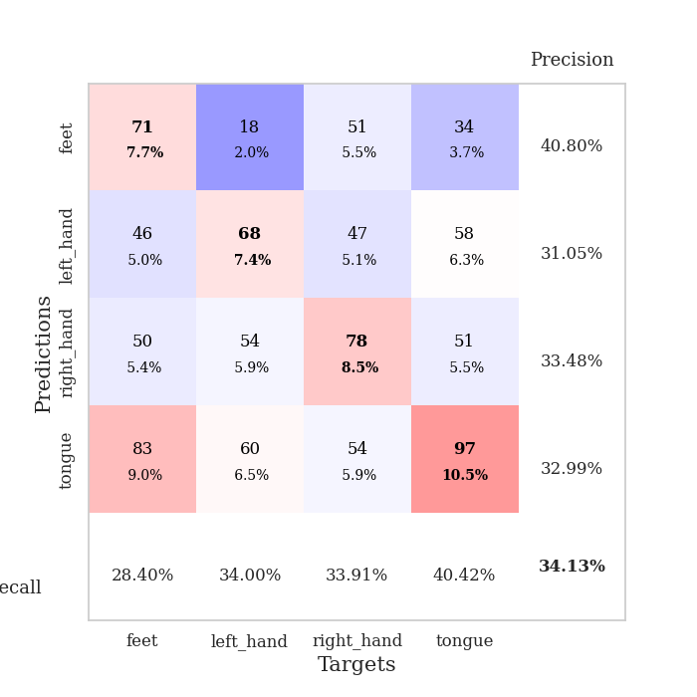
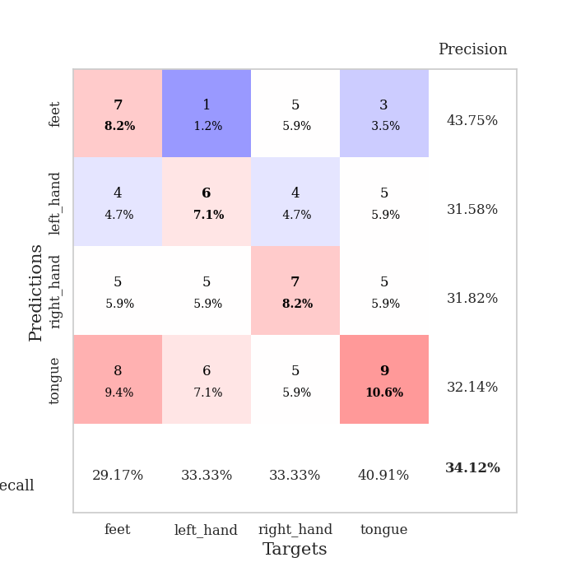
best_val_acc | best_val_los | best_test_acc
0.33695652174 | 1.4844648786 | 0.30172413793
0.35869565217 | 1.4377403829 | 0.21551724138
0.3152173913 | 1.6294534051 | 0.29310344828
0.34782608696 | 1.4817041262 | 0.23275862069
0.33695652174 | 1.4782263455 | 0.27586206897
0.38043478261 | 1.4539827834 | 0.25
0.32608695652 | 1.692649634 | 0.24137931034
0.30434782609 | 1.5710228422 | 0.3275862069
0.36956521739 | 1.475260776 | 0.26724137931
0.33695652174 | 1.6102052927 | 0.25

Mean,std Val accuracy is 0.341304347826087 , 0.0235924936175358 and mean, std test accuracy is 0.2655172413793104 , 0.03443483259527642

Sheet1
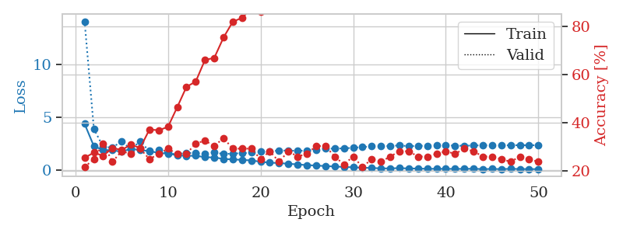
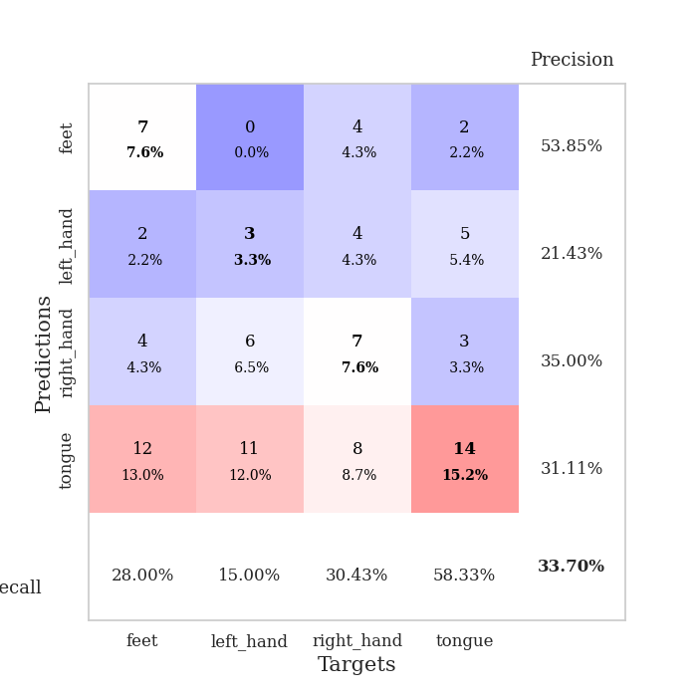
train_loss | valid_loss | train_accuracy | valid_accuracy | dur | train_misclass | valid_misclass
4.3571501348 | 14.033179781 | 0.25543478261 | 0.21739130435 | 0.097304105759 | 25.543478261 | 21.739130435
2.253955867 | 3.888289462 | 0.27717391304 | 0.25 | 0.095502376556 | 27.717391304 | 25
1.8872278255 | 2.1817149235 | 0.26358695652 | 0.3152173913 | 0.097095012665 | 26.358695652 | 31.52173913
1.872487856 | 2.1238685276 | 0.29619565217 | 0.23913043478 | 0.096028089523 | 29.619565217 | 23.913043478
1.7225020968 | 2.7063709601 | 0.28804347826 | 0.28260869565 | 0.11018681526 | 28.804347826 | 28.260869565
2.0116046926 | 1.9582036423 | 0.3097826087 | 0.27173913043 | 0.11011171341 | 30.97826087 | 27.173913043
1.8687643538 | 2.7114950056 | 0.29619565217 | 0.29347826087 | 0.10596823692 | 29.619565217 | 29.347826087
1.8024066946 | 1.7602671748 | 0.3722826087 | 0.25 | 0.10514497757 | 37.22826087 | 25
1.5999064342 | 1.8678536 | 0.36956521739 | 0.27173913043 | 0.10886931419 | 36.956521739 | 27.173913043
1.5567276478 | 1.5885908552 | 0.38315217391 | 0.29347826087 | 0.1071062088 | 38.315217391 | 29.347826087
1.3977485481 | 1.4844648786 | 0.46467391304 | 0.27173913043 | 0.10315084457 | 46.467391304 | 27.173913043
1.3290934226 | 1.6300731172 | 0.54891304348 | 0.27173913043 | 0.10853791237 | 54.891304348 | 27.173913043
1.3548239677 | 1.5774010834 | 0.57065217391 | 0.3152173913 | 0.11023116112 | 57.065217391 | 31.52173913
1.2037198207 | 1.5540927389 | 0.66032608696 | 0.32608695652 | 0.11147713661 | 66.032608696 | 32.608695652
1.1880328318 | 1.6806985606 | 0.66847826087 | 0.30434782609 | 0.10695505142 | 66.847826087 | 30.434782609
1.0464624633 | 1.4968000028 | 0.7527173913 | 0.33695652174 | 0.10564994812 | 75.27173913 | 33.695652174
0.99462403681 | 1.5626127409 | 0.81793478261 | 0.29347826087 | 0.11354732513 | 81.793478261 | 29.347826087
0.96168752339 | 1.5767044762 | 0.83423913043 | 0.29347826087 | 0.10984563828 | 83.423913043 | 29.347826087
0.90254301869 | 1.6451261925 | 0.8722826087 | 0.29347826087 | 0.10290360451 | 87.22826087 | 29.347826087
0.78632739575 | 1.7348474005 | 0.85869565217 | 0.25 | 0.11013484001 | 85.869565217 | 25
0.69248204128 | 1.7841959362 | 0.90760869565 | 0.28260869565 | 0.10797476768 | 90.760869565 | 28.260869565
0.65763499944 | 1.8300902947 | 0.95380434783 | 0.23913043478 | 0.10248970985 | 95.380434783 | 23.913043478
0.58842141732 | 1.843415307 | 0.96739130435 | 0.28260869565 | 0.1132171154 | 96.739130435 | 28.260869565
0.53519785275 | 1.8066530072 | 0.98913043478 | 0.26086956522 | 0.10559225082 | 98.913043478 | 26.086956522
0.45738436994 | 1.8365281198 | 0.98913043478 | 0.27173913043 | 0.10673117638 | 98.913043478 | 27.173913043
0.42740894984 | 1.9312013491 | 0.99456521739 | 0.30434782609 | 0.10698056221 | 99.456521739 | 30.434782609
0.37335066886 | 2.0289188053 | 0.99456521739 | 0.30434782609 | 0.10461521149 | 99.456521739 | 30.434782609
0.33202511752 | 2.0196983296 | 0.99456521739 | 0.26086956522 | 0.10678005219 | 99.456521739 | 26.086956522
0.28759731352 | 2.050159869 | 0.9972826087 | 0.22826086957 | 0.10555195808 | 99.72826087 | 22.826086957
0.25803126589 | 2.0931729959 | 1 | 0.26086956522 | 0.10734272003 | 100 | 26.086956522
0.2135951898 | 2.164514241 | 1 | 0.21739130435 | 0.11404848099 | 100 | 21.739130435
0.19631629615 | 2.2386818658 | 1 | 0.25 | 0.10685181618 | 100 | 25
0.15184836737 | 2.251579378 | 1 | 0.23913043478 | 0.10491776466 | 100 | 23.913043478
0.15299161491 | 2.2714706815 | 1 | 0.26086956522 | 0.1107275486 | 100 | 26.086956522
0.181830085 | 2.3232576951 | 1 | 0.28260869565 | 0.1067378521 | 100 | 28.260869565
0.14534438126 | 2.2464030929 | 1 | 0.28260869565 | 0.10709166527 | 100 | 28.260869565
0.14173833427 | 2.2757052546 | 1 | 0.26086956522 | 0.10977339745 | 100 | 26.086956522
0.11112120326 | 2.3016589724 | 1 | 0.26086956522 | 0.10398674011 | 100 | 26.086956522
0.11914405567 | 2.3143834342 | 1 | 0.27173913043 | 0.10205411911 | 100 | 27.173913043
0.10602701439 | 2.3357349582 | 1 | 0.28260869565 | 0.10082936287 | 100 | 28.260869565
0.11009293908 | 2.3010399964 | 1 | 0.27173913043 | 0.11422276497 | 100 | 27.173913043
0.10505365078 | 2.2894294573 | 1 | 0.29347826087 | 0.11300182343 | 100 | 29.347826087
0.12308226688 | 2.3193744887 | 1 | 0.28260869565 | 0.10904026031 | 100 | 28.260869565
0.085135614499 | 2.328037801 | 1 | 0.26086956522 | 0.1129128933 | 100 | 26.086956522
0.10439288932 | 2.3395381181 | 1 | 0.26086956522 | 0.10768771172 | 100 | 26.086956522
0.086831136485 | 2.329668128 | 1 | 0.25 | 0.10450100899 | 100 | 25
0.11273259945 | 2.3378972489 | 1 | 0.23913043478 | 0.10780215263 | 100 | 23.913043478
0.095832899861 | 2.3450149557 | 1 | 0.26086956522 | 0.10452604294 | 100 | 26.086956522
0.089609013546 | 2.3406786711 | 1 | 0.25 | 0.10724639893 | 100 | 25
0.086339138853 | 2.3402177666 | 1 | 0.23913043478 | 0.10504317284 | 100 | 23.913043478

Best Val accuracy is 0.33695652173913043 and Best test accuracy is 0.3017241379310345

Sheet2
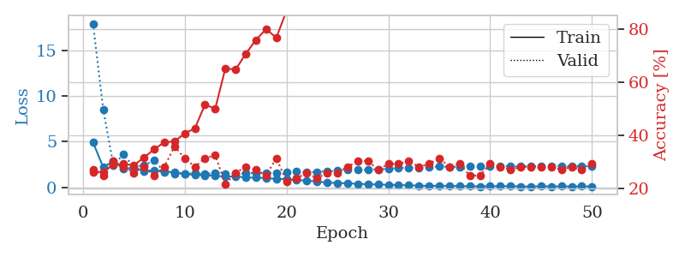
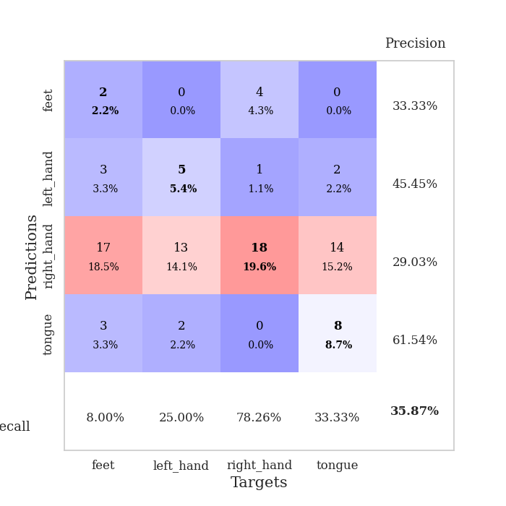
train_loss | valid_loss | train_accuracy | valid_accuracy | dur | train_misclass | valid_misclass
4.9364839481 | 17.985200343 | 0.26358695652 | 0.27173913043 | 0.11009430885 | 26.358695652 | 27.173913043
2.1966772339 | 8.5578022418 | 0.26358695652 | 0.25 | 0.10851502419 | 26.358695652 | 25
2.8712085589 | 2.4306453207 | 0.29076086957 | 0.30434782609 | 0.10525894165 | 29.076086957 | 30.434782609
1.9900755519 | 3.6186831257 | 0.29347826087 | 0.28260869565 | 0.10614967346 | 29.347826087 | 28.260869565
2.1629773845 | 2.2055165198 | 0.28804347826 | 0.26086956522 | 0.1072268486 | 28.804347826 | 26.086956522
1.7795852371 | 2.4318314169 | 0.31793478261 | 0.28260869565 | 0.10114955902 | 31.793478261 | 28.260869565
1.8719543115 | 2.9295475638 | 0.34782608696 | 0.25 | 0.1055161953 | 34.782608696 | 25
1.6645089284 | 1.7164693708 | 0.375 | 0.28260869565 | 0.10332250595 | 37.5 | 28.260869565
1.6974395099 | 1.4898563053 | 0.3777173913 | 0.35869565217 | 0.11326313019 | 37.77173913 | 35.869565217
1.4353655473 | 1.4776055657 | 0.40760869565 | 0.3152173913 | 0.10481572151 | 40.760869565 | 31.52173913
1.3794652612 | 1.5284168461 | 0.42663043478 | 0.28260869565 | 0.1123893261 | 42.663043478 | 28.260869565
1.3067602437 | 1.4377403829 | 0.51630434783 | 0.3152173913 | 0.10552453995 | 51.630434783 | 31.52173913
1.2649880699 | 1.5731800276 | 0.5 | 0.32608695652 | 0.10762882233 | 50 | 32.608695652
1.1526660893 | 1.488132793 | 0.65217391304 | 0.21739130435 | 0.10850834846 | 65.217391304 | 21.739130435
1.2010172606 | 1.4735893529 | 0.64673913043 | 0.26086956522 | 0.10969090462 | 64.673913043 | 26.086956522
1.0701513498 | 1.5188998761 | 0.70652173913 | 0.28260869565 | 0.11037611961 | 70.652173913 | 28.260869565
1.0659944882 | 1.6081154087 | 0.75815217391 | 0.27173913043 | 0.10183238983 | 75.815217391 | 27.173913043
1.0167435952 | 1.5572283786 | 0.79891304348 | 0.25 | 0.10931706429 | 79.891304348 | 25
0.91636279873 | 1.5483036197 | 0.76630434783 | 0.3152173913 | 0.10741615295 | 76.630434783 | 31.52173913
0.88255914657 | 1.6559733256 | 0.86684782609 | 0.22826086957 | 0.10642910004 | 86.684782609 | 22.826086957
0.77410130138 | 1.7533693625 | 0.92391304348 | 0.23913043478 | 0.10207939148 | 92.391304348 | 23.913043478
0.74845011079 | 1.6340792957 | 0.92391304348 | 0.26086956522 | 0.10247540474 | 92.391304348 | 26.086956522
0.63879945874 | 1.6968309568 | 0.95652173913 | 0.23913043478 | 0.10651540756 | 95.652173913 | 23.913043478
0.50429065007 | 1.7601296591 | 0.97282608696 | 0.26086956522 | 0.10870265961 | 97.282608696 | 26.086956522
0.47753058439 | 1.8046268432 | 0.99184782609 | 0.26086956522 | 0.11037325859 | 99.184782609 | 26.086956522
0.42636590613 | 1.9205837094 | 0.99456521739 | 0.28260869565 | 0.10653400421 | 99.456521739 | 28.260869565
0.38395125289 | 1.9186544937 | 0.9972826087 | 0.30434782609 | 0.10351157188 | 99.72826087 | 30.434782609
0.32456118581 | 1.9334598054 | 1 | 0.30434782609 | 0.10954213142 | 100 | 30.434782609
0.30210850874 | 1.9837511415 | 0.9972826087 | 0.27173913043 | 0.10748577118 | 99.72826087 | 27.173913043
0.26430197254 | 2.016355245 | 1 | 0.29347826087 | 0.10590744019 | 100 | 29.347826087
0.24578534909 | 2.1179287537 | 1 | 0.29347826087 | 0.10980439186 | 100 | 29.347826087
0.20482116808 | 2.1588615127 | 1 | 0.30434782609 | 0.10899090767 | 100 | 30.434782609
0.18750541787 | 2.1379424904 | 1 | 0.28260869565 | 0.11070132256 | 100 | 28.260869565
0.13742958349 | 2.2217910497 | 1 | 0.29347826087 | 0.1091427803 | 100 | 29.347826087
0.17920708818 | 2.274325433 | 1 | 0.3152173913 | 0.10530924797 | 100 | 31.52173913
0.14105085397 | 2.2619630565 | 1 | 0.28260869565 | 0.10458540916 | 100 | 28.260869565
0.13333075396 | 2.2292758278 | 1 | 0.29347826087 | 0.10919690132 | 100 | 29.347826087
0.10871285913 | 2.3096677013 | 1 | 0.25 | 0.10684895515 | 100 | 25
0.10140382175 | 2.3056619789 | 1 | 0.25 | 0.10990285873 | 100 | 25
0.10946895927 | 2.2975164393 | 1 | 0.29347826087 | 0.11279559135 | 100 | 29.347826087
0.11949308913 | 2.3094329212 | 1 | 0.28260869565 | 0.10956311226 | 100 | 28.260869565
0.12742781348 | 2.29399112 | 1 | 0.27173913043 | 0.10637950897 | 100 | 27.173913043
0.090701301299 | 2.2832751689 | 1 | 0.28260869565 | 0.10533213615 | 100 | 28.260869565
0.080168333067 | 2.3103361544 | 1 | 0.28260869565 | 0.10130023956 | 100 | 28.260869565
0.10818614584 | 2.312800283 | 1 | 0.28260869565 | 0.10339188576 | 100 | 28.260869565
0.095149465958 | 2.3015394936 | 1 | 0.28260869565 | 0.10254526138 | 100 | 28.260869565
0.10768223343 | 2.3171110775 | 1 | 0.27173913043 | 0.109572649 | 100 | 27.173913043
0.084650639283 | 2.3034499106 | 1 | 0.28260869565 | 0.10719513893 | 100 | 28.260869565
0.10555113577 | 2.31490498 | 1 | 0.27173913043 | 0.11254835129 | 100 | 27.173913043
0.08782303641 | 2.303849127 | 1 | 0.29347826087 | 0.10540318489 | 100 | 29.347826087

Best Val accuracy is 0.358695652173913 and Best test accuracy is 0.21551724137931033

Sheet3
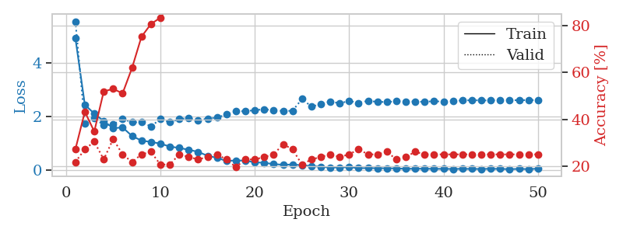
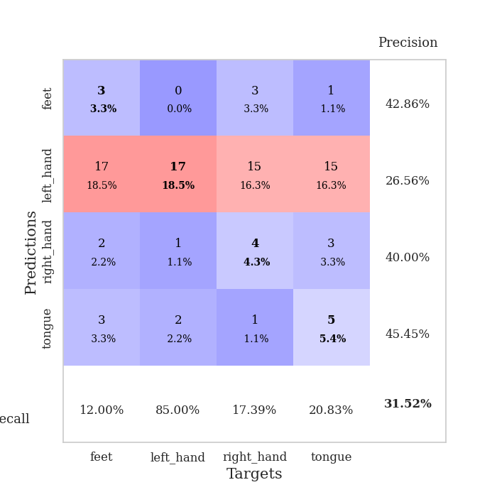
train_loss | valid_loss | train_accuracy | valid_accuracy | dur | train_misclass | valid_misclass
4.9216775272 | 5.5516090186 | 0.27173913043 | 0.21739130435 | 0.10783028603 | 27.173913043 | 21.739130435
2.4368052379 | 1.731411369 | 0.43206521739 | 0.27173913043 | 0.10115480423 | 43.206521739 | 27.173913043
2.1038187172 | 1.9314890322 | 0.34782608696 | 0.30434782609 | 0.097696304321 | 34.782608696 | 30.434782609
1.8251389369 | 1.6741201307 | 0.51902173913 | 0.22826086957 | 0.10775971413 | 51.902173913 | 22.826086957
1.5606817007 | 1.7009491247 | 0.52989130435 | 0.3152173913 | 0.098244190216 | 52.989130435 | 31.52173913
1.5891311065 | 1.9039311772 | 0.51086956522 | 0.25 | 0.11018538475 | 51.086956522 | 25
1.2675864956 | 1.7825525066 | 0.61956521739 | 0.21739130435 | 0.11247992516 | 61.956521739 | 21.739130435
1.0959776718 | 1.7803187111 | 0.7527173913 | 0.25 | 0.10690903664 | 75.27173913 | 25
1.0468524487 | 1.6294534051 | 0.80706521739 | 0.26086956522 | 0.10562896729 | 80.706521739 | 26.086956522
0.98397100231 | 1.8973416505 | 0.83423913043 | 0.20652173913 | 0.10867738724 | 83.423913043 | 20.652173913
0.87326875199 | 1.7872932113 | 0.88858695652 | 0.20652173913 | 0.10785031319 | 88.858695652 | 20.652173913
0.82180845349 | 1.8966722903 | 0.89402173913 | 0.25 | 0.10552167892 | 89.402173913 | 25
0.7550294464 | 1.9454036692 | 0.91576086957 | 0.23913043478 | 0.10683345795 | 91.576086957 | 23.913043478
0.67593594219 | 1.8599058286 | 0.95652173913 | 0.22826086957 | 0.1012096405 | 95.652173913 | 22.826086957
0.52914143386 | 1.9185077626 | 0.97826086957 | 0.23913043478 | 0.10864925385 | 97.826086957 | 23.913043478
0.45402103079 | 1.9574641767 | 0.98913043478 | 0.25 | 0.10103344917 | 98.913043478 | 25
0.33378171888 | 2.0703916861 | 0.9972826087 | 0.22826086957 | 0.11265349388 | 99.72826087 | 22.826086957
0.35609472219 | 2.1880285947 | 1 | 0.19565217391 | 0.11362528801 | 100 | 19.565217391
0.34842813404 | 2.1969973212 | 1 | 0.22826086957 | 0.10873246193 | 100 | 22.826086957
0.28571727645 | 2.2318045886 | 1 | 0.22826086957 | 0.11244511604 | 100 | 22.826086957
0.26676680407 | 2.2702103698 | 0.99456521739 | 0.23913043478 | 0.11306166649 | 99.456521739 | 23.913043478
0.21829437303 | 2.2264011943 | 1 | 0.25 | 0.10578799248 | 100 | 25
0.1931053575 | 2.2063215401 | 1 | 0.29347826087 | 0.1093287468 | 100 | 29.347826087
0.20353754415 | 2.2095486288 | 1 | 0.27173913043 | 0.10940957069 | 100 | 27.173913043
0.17596259017 | 2.6502911837 | 1 | 0.20652173913 | 0.11292767525 | 100 | 20.652173913
0.14423391855 | 2.3711304457 | 1 | 0.22826086957 | 0.10088801384 | 100 | 22.826086957
0.12052492028 | 2.4527741411 | 1 | 0.23913043478 | 0.10976696014 | 100 | 23.913043478
0.090643861129 | 2.5614229182 | 1 | 0.25 | 0.10561823845 | 100 | 25
0.095140688283 | 2.4877427661 | 1 | 0.23913043478 | 0.10378813744 | 100 | 23.913043478
0.1038997575 | 2.5793501501 | 1 | 0.25 | 0.10948419571 | 100 | 25
0.067080611525 | 2.5045780721 | 1 | 0.27173913043 | 0.10848021507 | 100 | 27.173913043
0.069642151746 | 2.5833739198 | 1 | 0.25 | 0.10470294952 | 100 | 25
0.066077361288 | 2.5438453529 | 1 | 0.25 | 0.10967111588 | 100 | 25
0.064319909753 | 2.5383003795 | 1 | 0.26086956522 | 0.11331653595 | 100 | 26.086956522
0.058108119618 | 2.5650052195 | 1 | 0.22826086957 | 0.10966229439 | 100 | 22.826086957
0.042660092449 | 2.5612975722 | 1 | 0.23913043478 | 0.10838866234 | 100 | 23.913043478
0.047028775205 | 2.5564684453 | 1 | 0.26086956522 | 0.11094093323 | 100 | 26.086956522
0.045673631577 | 2.5441560434 | 1 | 0.25 | 0.10417866707 | 100 | 25
0.041556964912 | 2.5722557565 | 1 | 0.25 | 0.10455417633 | 100 | 25
0.041074474403 | 2.5459524549 | 1 | 0.25 | 0.10972523689 | 100 | 25
0.037577953999 | 2.5896852535 | 1 | 0.25 | 0.10757184029 | 100 | 25
0.041940601259 | 2.5928063082 | 1 | 0.25 | 0.1086192131 | 100 | 25
0.037936927852 | 2.6092629329 | 1 | 0.25 | 0.10686683655 | 100 | 25
0.037250017849 | 2.5976342637 | 1 | 0.25 | 0.099292993546 | 100 | 25
0.042746725431 | 2.5993211477 | 1 | 0.25 | 0.10212087631 | 100 | 25
0.038034667909 | 2.6048725999 | 1 | 0.25 | 0.11432313919 | 100 | 25
0.03084389665 | 2.6132019914 | 1 | 0.25 | 0.10463953018 | 100 | 25
0.037997754007 | 2.6014287161 | 1 | 0.25 | 0.1105017662 | 100 | 25
0.031920892875 | 2.6145069185 | 1 | 0.25 | 0.1126127243 | 100 | 25
0.047537370868 | 2.606280389 | 1 | 0.25 | 0.11172199249 | 100 | 25

Best Val accuracy is 0.31521739130434784 and Best test accuracy is 0.29310344827586204

Sheet4
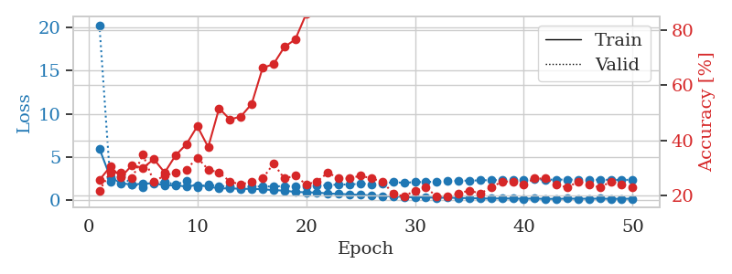
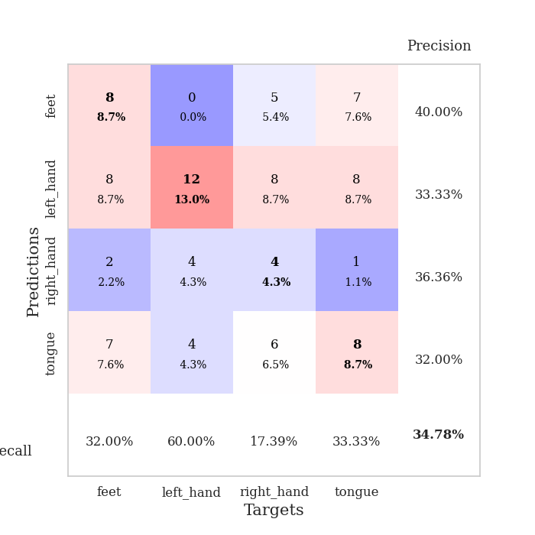
train_loss | valid_loss | train_accuracy | valid_accuracy | dur | train_misclass | valid_misclass
5.9643047789 | 20.297784059 | 0.25543478261 | 0.21739130435 | 0.10992002487 | 25.543478261 | 21.739130435
2.6350237701 | 2.1209665848 | 0.30434782609 | 0.28260869565 | 0.10426187515 | 30.434782609 | 28.260869565
1.9199275815 | 2.7952796428 | 0.26630434783 | 0.28260869565 | 0.10916614532 | 26.630434783 | 28.260869565
1.7903401541 | 1.8288167041 | 0.3097826087 | 0.26086956522 | 0.10463070869 | 30.97826087 | 26.086956522
1.8711451551 | 1.4817041262 | 0.29891304348 | 0.34782608696 | 0.10389518738 | 29.891304348 | 34.782608696
1.9470514888 | 1.8889456365 | 0.33152173913 | 0.25 | 0.10608625412 | 33.152173913 | 25
1.6832133065 | 2.1276047126 | 0.28260869565 | 0.27173913043 | 0.107016325 | 28.260869565 | 27.173913043
1.7029287867 | 1.7494324238 | 0.34510869565 | 0.28260869565 | 0.10477805138 | 34.510869565 | 28.260869565
1.5448418415 | 2.2022055698 | 0.38586956522 | 0.29347826087 | 0.1106865406 | 38.586956522 | 29.347826087
1.7300453393 | 1.487921466 | 0.45108695652 | 0.33695652174 | 0.10371947289 | 45.108695652 | 33.695652174
1.5615400957 | 1.7669977934 | 0.375 | 0.29347826087 | 0.1090323925 | 37.5 | 29.347826087
1.32061213 | 1.6167845882 | 0.51630434783 | 0.28260869565 | 0.10934209824 | 51.630434783 | 28.260869565
1.3517289887 | 1.5440558506 | 0.47554347826 | 0.25 | 0.10950350761 | 47.554347826 | 25
1.2769733097 | 1.5534451474 | 0.48641304348 | 0.23913043478 | 0.11224246025 | 48.641304348 | 23.913043478
1.2861521296 | 1.5428253205 | 0.53260869565 | 0.25 | 0.10682010651 | 53.260869565 | 25
1.2293645273 | 1.5608023146 | 0.66304347826 | 0.26086956522 | 0.099250555038 | 66.304347826 | 26.086956522
1.1353123862 | 1.554646181 | 0.67663043478 | 0.3152173913 | 0.10966968536 | 67.663043478 | 31.52173913
1.0779142224 | 1.6099201078 | 0.73913043478 | 0.26086956522 | 0.10551285744 | 73.913043478 | 26.086956522
0.91969295688 | 1.5918295539 | 0.76630434783 | 0.27173913043 | 0.11143946648 | 76.630434783 | 27.173913043
0.8815180763 | 1.6244470918 | 0.85869565217 | 0.23913043478 | 0.11284804344 | 85.869565217 | 23.913043478
0.84656496411 | 1.7067075449 | 0.8722826087 | 0.25 | 0.10800099373 | 87.22826087 | 25
0.74842187762 | 1.6881211685 | 0.88315217391 | 0.28260869565 | 0.096479415894 | 88.315217391 | 28.260869565
0.68870183566 | 1.7958631256 | 0.92119565217 | 0.26086956522 | 0.096330404282 | 92.119565217 | 26.086956522
0.64471875973 | 1.7758183324 | 0.98097826087 | 0.26086956522 | 0.096200704575 | 98.097826087 | 26.086956522
0.58593652041 | 1.8973575882 | 0.98097826087 | 0.27173913043 | 0.095571756363 | 98.097826087 | 27.173913043
0.50698246774 | 1.8221510027 | 0.98641304348 | 0.26086956522 | 0.10390114784 | 98.641304348 | 26.086956522
0.44339630915 | 1.8915931453 | 0.9972826087 | 0.25 | 0.10875272751 | 99.72826087 | 25
0.41531572847 | 2.0601814726 | 0.9972826087 | 0.20652173913 | 0.095160007477 | 99.72826087 | 20.652173913
0.34602364509 | 1.9828419012 | 1 | 0.19565217391 | 0.10148692131 | 100 | 19.565217391
0.28763438243 | 2.0706729319 | 1 | 0.21739130435 | 0.1028482914 | 100 | 21.739130435
0.31909787234 | 2.0728181134 | 1 | 0.22826086957 | 0.1032834053 | 100 | 22.826086957
0.22532352319 | 2.1419718887 | 1 | 0.19565217391 | 0.11876630783 | 100 | 19.565217391
0.2726575635 | 2.2155190136 | 1 | 0.19565217391 | 0.11173415184 | 100 | 19.565217391
0.21585294151 | 2.2227085155 | 1 | 0.20652173913 | 0.10322999954 | 100 | 20.652173913
0.21382232853 | 2.236450838 | 1 | 0.21739130435 | 0.10955810547 | 100 | 21.739130435
0.16218524977 | 2.2697557366 | 1 | 0.20652173913 | 0.11319994926 | 100 | 20.652173913
0.15510454482 | 2.2994669624 | 1 | 0.22826086957 | 0.10890126228 | 100 | 22.826086957
0.1759791656 | 2.2963390661 | 1 | 0.25 | 0.10901784897 | 100 | 25
0.14893286238 | 2.308265997 | 1 | 0.25 | 0.10972285271 | 100 | 25
0.13912614629 | 2.3392410382 | 1 | 0.23913043478 | 0.10659241676 | 100 | 23.913043478
0.15514240284 | 2.3720097542 | 1 | 0.26086956522 | 0.10941243172 | 100 | 26.086956522
0.11809792127 | 2.3440879324 | 1 | 0.26086956522 | 0.11260485649 | 100 | 26.086956522
0.12414349778 | 2.3572987163 | 1 | 0.23913043478 | 0.10396122932 | 100 | 23.913043478
0.14471513195 | 2.3585803301 | 1 | 0.22826086957 | 0.10520887375 | 100 | 22.826086957
0.13774417729 | 2.3484856357 | 1 | 0.25 | 0.10712122917 | 100 | 25
0.13870566241 | 2.3334204321 | 1 | 0.23913043478 | 0.10764193535 | 100 | 23.913043478
0.14603983417 | 2.3428200121 | 1 | 0.22826086957 | 0.10880017281 | 100 | 22.826086957
0.12658768018 | 2.3278828807 | 1 | 0.25 | 0.1054930687 | 100 | 25
0.12626600978 | 2.3236870455 | 1 | 0.23913043478 | 0.10678100586 | 100 | 23.913043478
0.14062323049 | 2.3354113206 | 1 | 0.22826086957 | 0.10631227493 | 100 | 22.826086957

Best Val accuracy is 0.34782608695652173 and Best test accuracy is 0.23275862068965517

Sheet5
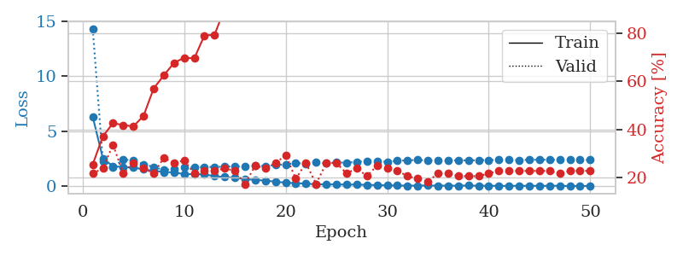
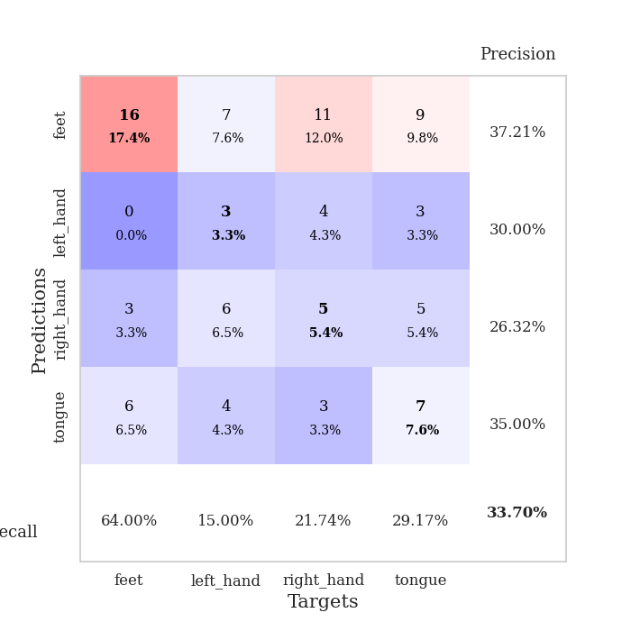
train_loss | valid_loss | train_accuracy | valid_accuracy | dur | train_misclass | valid_misclass
6.3180095527 | 14.298533979 | 0.25543478261 | 0.21739130435 | 0.11342024803 | 25.543478261 | 21.739130435
2.5272682387 | 2.2862419253 | 0.3722826087 | 0.23913043478 | 0.10744738579 | 37.22826087 | 23.913043478
1.8305752796 | 1.7459220316 | 0.42663043478 | 0.33695652174 | 0.10449385643 | 42.663043478 | 33.695652174
1.7441106776 | 2.4217950054 | 0.41847826087 | 0.21739130435 | 0.095063924789 | 41.847826087 | 21.739130435
1.6985775751 | 2.388341997 | 0.41304347826 | 0.26086956522 | 0.096202135086 | 41.304347826 | 26.086956522
1.5458042311 | 1.997322295 | 0.45652173913 | 0.23913043478 | 0.10580968857 | 45.652173913 | 23.913043478
1.4013438484 | 1.7606055426 | 0.57065217391 | 0.21739130435 | 0.096914052963 | 57.065217391 | 21.739130435
1.3041838408 | 1.4782263455 | 0.625 | 0.28260869565 | 0.09627866745 | 62.5 | 28.260869565
1.2656191665 | 1.5843937242 | 0.67663043478 | 0.26086956522 | 0.096946716309 | 67.663043478 | 26.086956522
1.1004965616 | 1.7017357816 | 0.69836956522 | 0.27173913043 | 0.10297298431 | 69.836956522 | 27.173913043
1.1129815578 | 1.7137302938 | 0.69565217391 | 0.21739130435 | 0.10149741173 | 69.565217391 | 21.739130435
1.0804875597 | 1.7621343654 | 0.79076086957 | 0.22826086957 | 0.10321927071 | 79.076086957 | 22.826086957
0.92175437056 | 1.7597825164 | 0.79347826087 | 0.22826086957 | 0.10072660446 | 79.347826087 | 22.826086957
0.84599588617 | 1.7948778401 | 0.90489130435 | 0.23913043478 | 0.10825109482 | 90.489130435 | 23.913043478
0.76389778438 | 1.8165588431 | 0.91032608696 | 0.22826086957 | 0.10797047615 | 91.032608696 | 22.826086957
0.66873245654 | 1.8232979308 | 0.97826086957 | 0.17391304348 | 0.10111999512 | 97.826086957 | 17.391304348
0.58113505788 | 1.8885597094 | 0.98097826087 | 0.25 | 0.10852146149 | 98.097826087 | 25
0.51704782377 | 1.8404656545 | 0.98913043478 | 0.23913043478 | 0.10923933983 | 98.913043478 | 23.913043478
0.42640480788 | 1.9408460596 | 0.9972826087 | 0.26086956522 | 0.10967350006 | 99.72826087 | 26.086956522
0.32086391034 | 1.9922736728 | 0.98369565217 | 0.29347826087 | 0.1066262722 | 98.369565217 | 29.347826087
0.29486982281 | 2.1098995416 | 1 | 0.19565217391 | 0.10802817345 | 100 | 19.565217391
0.23562903994 | 2.0474228859 | 1 | 0.26086956522 | 0.11436223984 | 100 | 26.086956522
0.19512943794 | 2.1631208606 | 0.9972826087 | 0.17391304348 | 0.10520720482 | 99.72826087 | 17.391304348
0.16348720779 | 2.0964109794 | 1 | 0.26086956522 | 0.10906815529 | 100 | 26.086956522
0.18112338302 | 2.1806199343 | 1 | 0.26086956522 | 0.10417294502 | 100 | 26.086956522
0.14920157599 | 2.1437920176 | 1 | 0.21739130435 | 0.10803627968 | 100 | 21.739130435
0.16179616717 | 2.2230738142 | 1 | 0.23913043478 | 0.10126399994 | 100 | 23.913043478
0.12519287537 | 2.2819815926 | 1 | 0.20652173913 | 0.10177588463 | 100 | 20.652173913
0.11351866162 | 2.286612293 | 1 | 0.25 | 0.10524249077 | 100 | 25
0.084432949191 | 2.2219140011 | 1 | 0.23913043478 | 0.11109876633 | 100 | 23.913043478
0.07299860826 | 2.3255010169 | 1 | 0.22826086957 | 0.10396194458 | 100 | 22.826086957
0.063559189965 | 2.3553848992 | 1 | 0.20652173913 | 0.11286759377 | 100 | 20.652173913
0.062010234526 | 2.3995952192 | 1 | 0.19565217391 | 0.10923933983 | 100 | 19.565217391
0.076020600598 | 2.3506981808 | 1 | 0.1847826087 | 0.10774683952 | 100 | 18.47826087
0.056021937534 | 2.3352738152 | 1 | 0.21739130435 | 0.10500597954 | 100 | 21.739130435
0.063015666385 | 2.3270241592 | 1 | 0.21739130435 | 0.1049041748 | 100 | 21.739130435
0.050820784623 | 2.3702859049 | 1 | 0.20652173913 | 0.11220216751 | 100 | 20.652173913
0.076188916624 | 2.3555988229 | 1 | 0.20652173913 | 0.10390067101 | 100 | 20.652173913
0.044803803503 | 2.3795352189 | 1 | 0.20652173913 | 0.10947871208 | 100 | 20.652173913
0.054313636749 | 2.3864655598 | 1 | 0.21739130435 | 0.1060795784 | 100 | 21.739130435
0.036299766952 | 2.3986806455 | 1 | 0.22826086957 | 0.10554218292 | 100 | 22.826086957
0.042648801013 | 2.398513058 | 1 | 0.22826086957 | 0.10113120079 | 100 | 22.826086957
0.040571638747 | 2.3904052299 | 1 | 0.22826086957 | 0.10226416588 | 100 | 22.826086957
0.048304939278 | 2.4117325493 | 1 | 0.22826086957 | 0.10726428032 | 100 | 22.826086957
0.036318143344 | 2.4149512104 | 1 | 0.22826086957 | 0.10168910027 | 100 | 22.826086957
0.048992391514 | 2.4188704283 | 1 | 0.22826086957 | 0.11173415184 | 100 | 22.826086957
0.045994534643 | 2.4194836824 | 1 | 0.21739130435 | 0.10827422142 | 100 | 21.739130435
0.021748443883 | 2.4013556605 | 1 | 0.22826086957 | 0.11453676224 | 100 | 22.826086957
0.027911486226 | 2.4183570198 | 1 | 0.22826086957 | 0.10905742645 | 100 | 22.826086957
0.032759139476 | 2.395193836 | 1 | 0.22826086957 | 0.10444355011 | 100 | 22.826086957

Best Val accuracy is 0.33695652173913043 and Best test accuracy is 0.27586206896551724

Sheet6
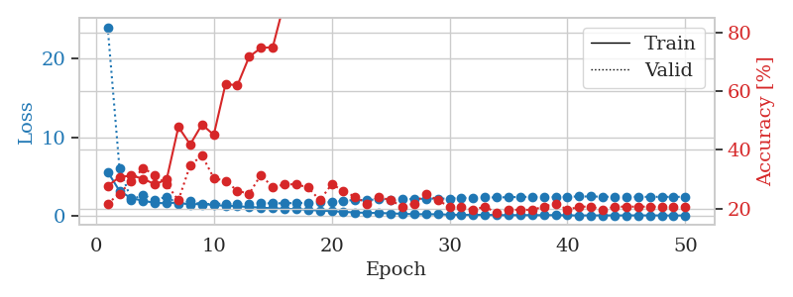
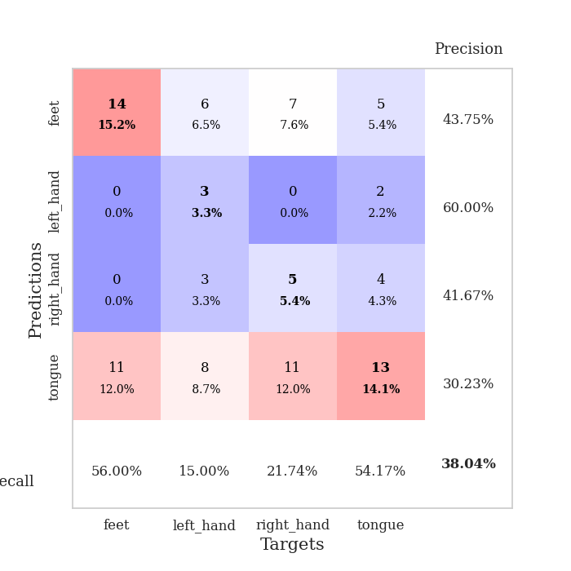
train_loss | valid_loss | train_accuracy | valid_accuracy | dur | train_misclass | valid_misclass
5.6069394195 | 23.976057716 | 0.27717391304 | 0.21739130435 | 0.1062951088 | 27.717391304 | 21.739130435
3.1805435367 | 6.0476894897 | 0.30706521739 | 0.25 | 0.10380029678 | 30.706521739 | 25
2.2439997714 | 2.0533725697 | 0.3125 | 0.29347826087 | 0.10409450531 | 31.25 | 29.347826087
1.9370631498 | 2.6673606634 | 0.30163043478 | 0.33695652174 | 0.10110402107 | 30.163043478 | 33.695652174
1.644694971 | 1.9840281062 | 0.28260869565 | 0.3152173913 | 0.10719537735 | 28.260869565 | 31.52173913
1.6136657518 | 2.4620276534 | 0.29891304348 | 0.28260869565 | 0.10389852524 | 29.891304348 | 28.260869565
1.7028255307 | 1.4877611865 | 0.47826086957 | 0.22826086957 | 0.10483050346 | 47.826086957 | 22.826086957
1.421149202 | 1.8672733514 | 0.41847826087 | 0.34782608696 | 0.10824203491 | 41.847826087 | 34.782608696
1.5680093299 | 1.4539827834 | 0.48641304348 | 0.38043478261 | 0.10078406334 | 48.641304348 | 38.043478261
1.3526060426 | 1.5612758605 | 0.45108695652 | 0.30434782609 | 0.10975146294 | 45.108695652 | 30.434782609
1.3001606309 | 1.5241075599 | 0.625 | 0.29347826087 | 0.10424900055 | 62.5 | 29.347826087
1.2262054267 | 1.5264788555 | 0.61956521739 | 0.26086956522 | 0.11699771881 | 61.956521739 | 26.086956522
1.1327980679 | 1.5512431808 | 0.71739130435 | 0.25 | 0.10403418541 | 71.739130435 | 25
1.0531028043 | 1.608767639 | 0.7472826087 | 0.3152173913 | 0.10347127914 | 74.72826087 | 31.52173913
0.96552342436 | 1.59573371 | 0.75 | 0.27173913043 | 0.10627317429 | 75 | 27.173913043
0.9065768019 | 1.6105560168 | 0.90489130435 | 0.28260869565 | 0.10707497597 | 90.489130435 | 28.260869565
0.86212305012 | 1.6374113456 | 0.93206521739 | 0.28260869565 | 0.10412192345 | 93.206521739 | 28.260869565
0.78107637037 | 1.660441269 | 0.9402173913 | 0.27173913043 | 0.10048723221 | 94.02173913 | 27.173913043
0.66281334602 | 1.7524276868 | 0.96739130435 | 0.22826086957 | 0.10277795792 | 96.739130435 | 22.826086957
0.62082922977 | 1.7322365149 | 0.98097826087 | 0.28260869565 | 0.10745239258 | 98.097826087 | 28.260869565
0.50115183385 | 1.930256885 | 0.9972826087 | 0.26086956522 | 0.10732221603 | 99.72826087 | 26.086956522
0.44192282078 | 2.0187863889 | 0.98369565217 | 0.23913043478 | 0.10778260231 | 98.369565217 | 23.913043478
0.37913986911 | 2.01903281 | 0.99184782609 | 0.21739130435 | 0.10465550423 | 99.184782609 | 21.739130435
0.37321923155 | 2.1052856134 | 1 | 0.23913043478 | 0.1073346138 | 100 | 23.913043478
0.32069432217 | 2.0436135271 | 1 | 0.22826086957 | 0.10902452469 | 100 | 22.826086957
0.26546881899 | 2.122772393 | 1 | 0.20652173913 | 0.10558247566 | 100 | 20.652173913
0.21227537841 | 2.1504293525 | 1 | 0.21739130435 | 0.098386049271 | 100 | 21.739130435
0.21063472946 | 2.1865939472 | 1 | 0.25 | 0.10131549835 | 100 | 25
0.20416025915 | 2.1991692211 | 1 | 0.22826086957 | 0.10517597198 | 100 | 22.826086957
0.1547679467 | 2.2025118392 | 1 | 0.20652173913 | 0.10413718224 | 100 | 20.652173913
0.13434422389 | 2.2991938073 | 1 | 0.20652173913 | 0.1043241024 | 100 | 20.652173913
0.13137305544 | 2.2853644723 | 1 | 0.19565217391 | 0.11023235321 | 100 | 19.565217391
0.13190101808 | 2.3425376312 | 1 | 0.20652173913 | 0.11216378212 | 100 | 20.652173913
0.11156940841 | 2.3461319156 | 1 | 0.1847826087 | 0.10858654976 | 100 | 18.47826087
0.088649810292 | 2.3733043774 | 1 | 0.19565217391 | 0.10536432266 | 100 | 19.565217391
0.1027765875 | 2.4069173129 | 1 | 0.19565217391 | 0.10144233704 | 100 | 19.565217391
0.096447802756 | 2.4191423914 | 1 | 0.19565217391 | 0.11302447319 | 100 | 19.565217391
0.093286130415 | 2.3707876516 | 1 | 0.20652173913 | 0.10969877243 | 100 | 20.652173913
0.10463716074 | 2.3935439483 | 1 | 0.21739130435 | 0.10699987411 | 100 | 21.739130435
0.072342949717 | 2.4408391144 | 1 | 0.19565217391 | 0.10573101044 | 100 | 19.565217391
0.056516472736 | 2.4643485339 | 1 | 0.20652173913 | 0.11330938339 | 100 | 20.652173913
0.065519752791 | 2.4653857376 | 1 | 0.20652173913 | 0.10415744781 | 100 | 20.652173913
0.062579043007 | 2.4405810833 | 1 | 0.19565217391 | 0.10466909409 | 100 | 19.565217391
0.066182678565 | 2.4186361976 | 1 | 0.20652173913 | 0.10504031181 | 100 | 20.652173913
0.059501478368 | 2.4271394999 | 1 | 0.20652173913 | 0.10921907425 | 100 | 20.652173913
0.069936509609 | 2.4219721089 | 1 | 0.20652173913 | 0.11145710945 | 100 | 20.652173913
0.060782248154 | 2.4217135699 | 1 | 0.20652173913 | 0.1005089283 | 100 | 20.652173913
0.066147899984 | 2.4208813128 | 1 | 0.20652173913 | 0.1040699482 | 100 | 20.652173913
0.041753985879 | 2.4164670447 | 1 | 0.20652173913 | 0.10528039932 | 100 | 20.652173913
0.068340316658 | 2.4219133854 | 1 | 0.20652173913 | 0.10648536682 | 100 | 20.652173913

Best Val accuracy is 0.3804347826086957 and Best test accuracy is 0.25

Sheet7
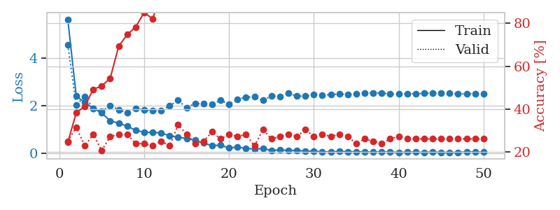
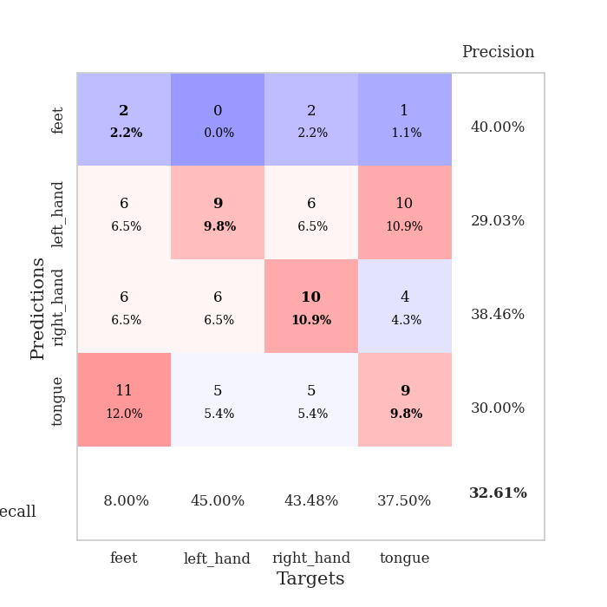
train_loss | valid_loss | train_accuracy | valid_accuracy | dur | train_misclass | valid_misclass
5.6406359673 | 4.5638894827 | 0.24456521739 | 0.25 | 0.099484443665 | 24.456521739 | 25
2.3989044894 | 2.0188717531 | 0.38315217391 | 0.3152173913 | 0.10781240463 | 38.315217391 | 31.52173913
2.1348086958 | 2.3884473054 | 0.41304347826 | 0.22826086957 | 0.11112928391 | 41.304347826 | 22.826086957
1.8875430978 | 1.8881252745 | 0.49184782609 | 0.28260869565 | 0.10554027557 | 49.184782609 | 28.260869565
1.6919859129 | 1.7645954775 | 0.50815217391 | 0.20652173913 | 0.11361765862 | 50.815217391 | 20.652173913
1.360626117 | 1.9993196311 | 0.54347826087 | 0.27173913043 | 0.10405707359 | 54.347826087 | 27.173913043
1.2629939914 | 1.8319602997 | 0.69293478261 | 0.28260869565 | 0.10536599159 | 69.293478261 | 28.260869565
1.131003569 | 1.692649634 | 0.7472826087 | 0.28260869565 | 0.10616469383 | 74.72826087 | 28.260869565
0.96297067533 | 1.8819679592 | 0.78260869565 | 0.23913043478 | 0.10964250565 | 78.260869565 | 23.913043478
0.87843234384 | 1.8121649649 | 0.85054347826 | 0.23913043478 | 0.10697460175 | 85.054347826 | 23.913043478
0.86834646567 | 1.7799753365 | 0.82065217391 | 0.22826086957 | 0.10553097725 | 82.065217391 | 22.826086957
0.85424796913 | 1.7859366614 | 0.9375 | 0.25 | 0.11012434959 | 93.75 | 25
0.7263894716 | 1.9840218243 | 0.92391304348 | 0.22826086957 | 0.10674500465 | 92.391304348 | 22.826086957
0.66114858182 | 2.2342854635 | 0.92391304348 | 0.32608695652 | 0.10766220093 | 92.391304348 | 32.608695652
0.61950222954 | 1.9055111045 | 0.91847826087 | 0.28260869565 | 0.10335612297 | 91.847826087 | 28.260869565
0.54234760611 | 2.0960133542 | 0.97010869565 | 0.23913043478 | 0.10836458206 | 97.010869565 | 23.913043478
0.42208362209 | 2.0845420309 | 0.98641304348 | 0.25 | 0.11602425575 | 98.641304348 | 25
0.31683916793 | 2.0527924403 | 0.98641304348 | 0.29347826087 | 0.10191726685 | 98.641304348 | 29.347826087
0.332752473 | 2.2273450312 | 0.9972826087 | 0.26086956522 | 0.10700678825 | 99.72826087 | 26.086956522
0.21952732976 | 2.0698798169 | 1 | 0.28260869565 | 0.1057882309 | 100 | 28.260869565
0.24729727241 | 2.2607937481 | 0.9972826087 | 0.27173913043 | 0.10798883438 | 99.72826087 | 27.173913043
0.20006155255 | 2.3595834711 | 1 | 0.28260869565 | 0.10291552544 | 100 | 28.260869565
0.17423133746 | 2.3734335381 | 1 | 0.22826086957 | 0.10857772827 | 100 | 22.826086957
0.19134547464 | 2.2248159181 | 1 | 0.30434782609 | 0.10853695869 | 100 | 30.434782609
0.1123663166 | 2.4106798276 | 1 | 0.26086956522 | 0.11004900932 | 100 | 26.086956522
0.13430325906 | 2.3800104701 | 1 | 0.27173913043 | 0.1059615612 | 100 | 27.173913043
0.11288832986 | 2.521491994 | 1 | 0.28260869565 | 0.1204662323 | 100 | 28.260869565
0.1103125924 | 2.3987601011 | 1 | 0.27173913043 | 0.10989665985 | 100 | 27.173913043
0.085865483417 | 2.4074641933 | 1 | 0.30434782609 | 0.10961055756 | 100 | 30.434782609
0.077272046681 | 2.4581656767 | 1 | 0.27173913043 | 0.11257433891 | 100 | 27.173913043
0.056214944095 | 2.4364554364 | 1 | 0.28260869565 | 0.10851383209 | 100 | 28.260869565
0.050677485278 | 2.4701834036 | 1 | 0.27173913043 | 0.1088039875 | 100 | 27.173913043
0.070419745419 | 2.4856769417 | 1 | 0.28260869565 | 0.10691404343 | 100 | 28.260869565
0.056868543241 | 2.4781252405 | 1 | 0.27173913043 | 0.10610246658 | 100 | 27.173913043
0.053923555002 | 2.5005337363 | 1 | 0.23913043478 | 0.10555696487 | 100 | 23.913043478
0.048824791432 | 2.5407823583 | 1 | 0.26086956522 | 0.10421681404 | 100 | 26.086956522
0.04555166043 | 2.538421662 | 1 | 0.25 | 0.10952854156 | 100 | 25
0.052619614254 | 2.5316120127 | 1 | 0.23913043478 | 0.10557842255 | 100 | 23.913043478
0.042725770289 | 2.4910029225 | 1 | 0.26086956522 | 0.10549330711 | 100 | 26.086956522
0.031792406256 | 2.4966529141 | 1 | 0.27173913043 | 0.11238884926 | 100 | 27.173913043
0.041327222372 | 2.4954985121 | 1 | 0.26086956522 | 0.10423088074 | 100 | 26.086956522
0.042615797614 | 2.5052158522 | 1 | 0.26086956522 | 0.095259666443 | 100 | 26.086956522
0.028212795965 | 2.5147112867 | 1 | 0.26086956522 | 0.10830307007 | 100 | 26.086956522
0.046858767412 | 2.5277540476 | 1 | 0.26086956522 | 0.10936784744 | 100 | 26.086956522
0.030440895211 | 2.5318958448 | 1 | 0.26086956522 | 0.1086602211 | 100 | 26.086956522
0.031684319853 | 2.5217121788 | 1 | 0.26086956522 | 0.10503292084 | 100 | 26.086956522
0.032225562503 | 2.4958158161 | 1 | 0.26086956522 | 0.10416150093 | 100 | 26.086956522
0.052242958473 | 2.5004487349 | 1 | 0.26086956522 | 0.10305833817 | 100 | 26.086956522
0.044474109116 | 2.503532731 | 1 | 0.26086956522 | 0.11110329628 | 100 | 26.086956522
0.039340728732 | 2.5127371912 | 1 | 0.26086956522 | 0.098777532578 | 100 | 26.086956522

Best Val accuracy is 0.32608695652173914 and Best test accuracy is 0.2413793103448276

Sheet8
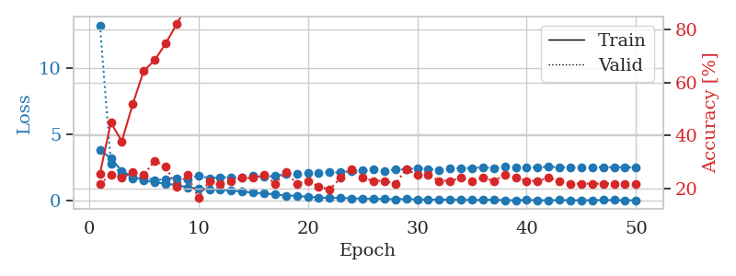
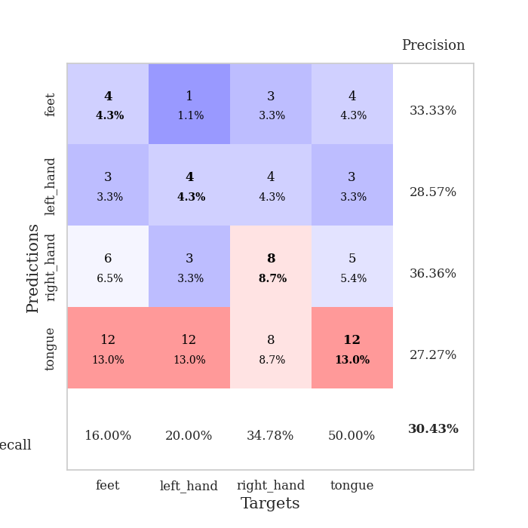
train_loss | valid_loss | train_accuracy | valid_accuracy | dur | train_misclass | valid_misclass
3.8327678235 | 13.230552176 | 0.25543478261 | 0.21739130435 | 0.1056997776 | 25.543478261 | 21.739130435
3.2220303287 | 2.8053251453 | 0.44836956522 | 0.25 | 0.099395036697 | 44.836956522 | 25
2.243354419 | 2.0145722887 | 0.3777173913 | 0.23913043478 | 0.10470747948 | 37.77173913 | 23.913043478
1.8144660722 | 1.650588388 | 0.51902173913 | 0.26086956522 | 0.10553526878 | 51.902173913 | 26.086956522
1.5434452969 | 1.8002104137 | 0.64402173913 | 0.25 | 0.10345292091 | 64.402173913 | 25
1.4057521716 | 1.5710228422 | 0.6847826087 | 0.30434782609 | 0.1100268364 | 68.47826087 | 30.434782609
1.2758210768 | 1.6296310217 | 0.7472826087 | 0.28260869565 | 0.10260438919 | 74.72826087 | 28.260869565
1.210901675 | 1.7197987878 | 0.82065217391 | 0.20652173913 | 0.11018967628 | 82.065217391 | 20.652173913
1.0076176731 | 1.6181543392 | 0.89402173913 | 0.25 | 0.10847520828 | 89.402173913 | 25
0.93742480097 | 1.9095275298 | 0.88315217391 | 0.16304347826 | 0.11035513878 | 88.315217391 | 16.304347826
0.88175790206 | 1.6977403423 | 0.9347826087 | 0.22826086957 | 0.10941314697 | 93.47826087 | 22.826086957
0.82206631614 | 1.7887211001 | 0.95652173913 | 0.21739130435 | 0.10202479362 | 95.652173913 | 21.739130435
0.77988804812 | 1.7723610868 | 0.95108695652 | 0.22826086957 | 0.10174250603 | 95.108695652 | 22.826086957
0.70068596109 | 1.7419140494 | 0.97554347826 | 0.23913043478 | 0.1068508625 | 97.554347826 | 23.913043478
0.61908910974 | 1.8990446692 | 0.97010869565 | 0.23913043478 | 0.10244202614 | 97.010869565 | 23.913043478
0.54656620518 | 1.8098687918 | 0.98369565217 | 0.25 | 0.10892772675 | 98.369565217 | 25
0.49848883631 | 1.880323493 | 0.99184782609 | 0.21739130435 | 0.10883808136 | 99.184782609 | 21.739130435
0.38418044215 | 2.0344599745 | 0.9972826087 | 0.26086956522 | 0.10268974304 | 99.72826087 | 26.086956522
0.39174548699 | 2.0522900146 | 1 | 0.21739130435 | 0.10643839836 | 100 | 21.739130435
0.29031653832 | 2.068434 | 1 | 0.22826086957 | 0.10970377922 | 100 | 22.826086957
0.25827986099 | 2.0970184596 | 1 | 0.20652173913 | 0.10941290855 | 100 | 20.652173913
0.21415975917 | 2.1399900913 | 1 | 0.19565217391 | 0.10524106026 | 100 | 19.565217391
0.22874921917 | 2.1406676562 | 1 | 0.23913043478 | 0.10658478737 | 100 | 23.913043478
0.18001834174 | 2.2685216302 | 1 | 0.27173913043 | 0.10634279251 | 100 | 27.173913043
0.17707590986 | 2.2763573709 | 1 | 0.23913043478 | 0.10614347458 | 100 | 23.913043478
0.1359796686 | 2.3518678416 | 1 | 0.22826086957 | 0.10524535179 | 100 | 22.826086957
0.14153228473 | 2.2622070002 | 1 | 0.22826086957 | 0.10953235626 | 100 | 22.826086957
0.119564593 | 2.3620644549 | 1 | 0.21739130435 | 0.10457038879 | 100 | 21.739130435
0.14933262498 | 2.3572771964 | 1 | 0.27173913043 | 0.10864090919 | 100 | 27.173913043
0.10377016907 | 2.4701496622 | 1 | 0.25 | 0.11100411415 | 100 | 25
0.094746900317 | 2.4126515907 | 1 | 0.25 | 0.10611796379 | 100 | 25
0.091815805063 | 2.3318204983 | 1 | 0.22826086957 | 0.11002516747 | 100 | 22.826086957
0.080287234817 | 2.4340695298 | 1 | 0.22826086957 | 0.1085050106 | 100 | 22.826086957
0.081432278349 | 2.4751400222 | 1 | 0.23913043478 | 0.10351538658 | 100 | 23.913043478
0.061140186194 | 2.4673645704 | 1 | 0.22826086957 | 0.10627436638 | 100 | 22.826086957
0.070266135968 | 2.5250848169 | 1 | 0.23913043478 | 0.11396670341 | 100 | 23.913043478
0.080597732419 | 2.4801697835 | 1 | 0.22826086957 | 0.10963582993 | 100 | 22.826086957
0.052453223859 | 2.5671926478 | 1 | 0.25 | 0.10505008698 | 100 | 25
0.051117864802 | 2.5257154548 | 1 | 0.23913043478 | 0.11227560043 | 100 | 23.913043478
0.064711324547 | 2.5221876787 | 1 | 0.22826086957 | 0.10747051239 | 100 | 22.826086957
0.050159209246 | 2.5356708299 | 1 | 0.22826086957 | 0.11011195183 | 100 | 22.826086957
0.041442728156 | 2.5546175604 | 1 | 0.23913043478 | 0.11355686188 | 100 | 23.913043478
0.061869723236 | 2.541685405 | 1 | 0.22826086957 | 0.095967769623 | 100 | 22.826086957
0.040989486541 | 2.5315581612 | 1 | 0.21739130435 | 0.11318254471 | 100 | 21.739130435
0.046442369789 | 2.5392840012 | 1 | 0.21739130435 | 0.11102390289 | 100 | 21.739130435
0.049437925969 | 2.5341728978 | 1 | 0.21739130435 | 0.10757350922 | 100 | 21.739130435
0.060364622987 | 2.5305813395 | 1 | 0.21739130435 | 0.11179280281 | 100 | 21.739130435
0.057575333459 | 2.5438992355 | 1 | 0.21739130435 | 0.10479450226 | 100 | 21.739130435
0.039024023663 | 2.5216779502 | 1 | 0.21739130435 | 0.10980677605 | 100 | 21.739130435
0.050570833659 | 2.5397290251 | 1 | 0.21739130435 | 0.1094353199 | 100 | 21.739130435

Best Val accuracy is 0.30434782608695654 and Best test accuracy is 0.3275862068965517

Sheet9
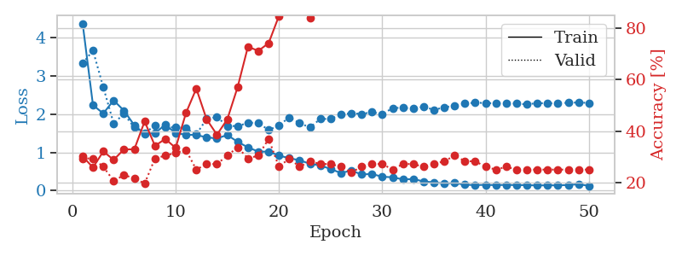
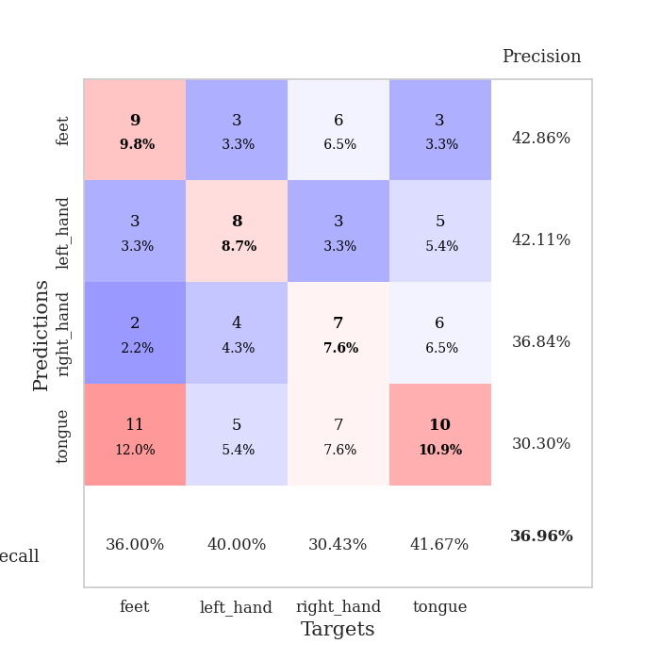
train_loss | valid_loss | train_accuracy | valid_accuracy | dur | train_misclass | valid_misclass
4.3776865731 | 3.3337468997 | 0.30163043478 | 0.29347826087 | 0.10877609253 | 30.163043478 | 29.347826087
2.2399800705 | 3.6694404509 | 0.25815217391 | 0.29347826087 | 0.096298217773 | 25.815217391 | 29.347826087
2.0231085342 | 2.710129883 | 0.32065217391 | 0.26086956522 | 0.096052646637 | 32.065217391 | 26.086956522
2.3657297622 | 1.7601529463 | 0.28804347826 | 0.20652173913 | 0.10507798195 | 28.804347826 | 20.652173913
2.0962135895 | 2.0134825085 | 0.32880434783 | 0.22826086957 | 0.10740852356 | 32.880434783 | 22.826086957
1.7143353224 | 1.6529876823 | 0.32880434783 | 0.21739130435 | 0.10815000534 | 32.880434783 | 21.739130435
1.4850947131 | 1.4998864298 | 0.4375 | 0.19565217391 | 0.10823345184 | 43.75 | 19.565217391
1.5093855962 | 1.7132341395 | 0.34239130435 | 0.29347826087 | 0.10454821587 | 34.239130435 | 29.347826087
1.7265529062 | 1.6554475764 | 0.36956521739 | 0.30434782609 | 0.11250734329 | 36.956521739 | 30.434782609
1.5065416875 | 1.6604230248 | 0.33423913043 | 0.3152173913 | 0.1026558876 | 33.423913043 | 31.52173913
1.4675473338 | 1.6342350452 | 0.47010869565 | 0.32608695652 | 0.10988092422 | 47.010869565 | 32.608695652
1.4581609757 | 1.475260776 | 0.5652173913 | 0.25 | 0.10656738281 | 56.52173913 | 25
1.3972663802 | 1.8789504352 | 0.44565217391 | 0.27173913043 | 0.10813617706 | 44.565217391 | 27.173913043
1.3686799744 | 1.9291829648 | 0.38586956522 | 0.27173913043 | 0.1016125679 | 38.586956522 | 27.173913043
1.4583981219 | 1.6955011617 | 0.44565217391 | 0.30434782609 | 0.1083946228 | 44.565217391 | 30.434782609
1.280247893 | 1.6918269033 | 0.57065217391 | 0.33695652174 | 0.10124921799 | 57.065217391 | 33.695652174
1.1344649818 | 1.7753781495 | 0.72826086957 | 0.29347826087 | 0.10813426971 | 72.826086957 | 29.347826087
1.0249886098 | 1.7814854176 | 0.71195652174 | 0.30434782609 | 0.10509204865 | 71.195652174 | 30.434782609
1.0227255458 | 1.5860614206 | 0.74184782609 | 0.36956521739 | 0.10297656059 | 74.184782609 | 36.956521739
0.91917006607 | 1.7129103412 | 0.84782608696 | 0.26086956522 | 0.10589265823 | 84.782608696 | 26.086956522
0.85211890677 | 1.918158101 | 0.89402173913 | 0.29347826087 | 0.10805606842 | 89.402173913 | 29.347826087
0.79677801547 | 1.7709764346 | 0.92391304348 | 0.26086956522 | 0.10290884972 | 92.391304348 | 26.086956522
0.70423754143 | 1.6546561614 | 0.83967391304 | 0.28260869565 | 0.1101038456 | 83.967391304 | 28.260869565
0.66181637412 | 1.8776284145 | 0.94836956522 | 0.27173913043 | 0.10289764404 | 94.836956522 | 27.173913043
0.56865003187 | 1.8812858955 | 0.97826086957 | 0.27173913043 | 0.1046936512 | 97.826086957 | 27.173913043
0.46234980031 | 1.9889803503 | 0.97010869565 | 0.26086956522 | 0.10901117325 | 97.010869565 | 26.086956522
0.52888898098 | 2.0306579652 | 0.99184782609 | 0.23913043478 | 0.10683321953 | 99.184782609 | 23.913043478
0.42559729517 | 2.0077434519 | 0.99456521739 | 0.26086956522 | 0.11108660698 | 99.456521739 | 26.086956522
0.43884978476 | 2.0563376054 | 1 | 0.27173913043 | 0.099791288376 | 100 | 27.173913043
0.36499188516 | 2.0025938646 | 1 | 0.27173913043 | 0.11046695709 | 100 | 27.173913043
0.35241612922 | 2.1627599778 | 1 | 0.25 | 0.10960817337 | 100 | 25
0.29574624741 | 2.173250188 | 0.9972826087 | 0.27173913043 | 0.11265015602 | 99.72826087 | 27.173913043
0.30590559413 | 2.1443679125 | 1 | 0.27173913043 | 0.10598659515 | 100 | 27.173913043
0.24282085604 | 2.1991841793 | 1 | 0.26086956522 | 0.11291337013 | 100 | 26.086956522
0.21952769646 | 2.1188872793 | 1 | 0.27173913043 | 0.11349105835 | 100 | 27.173913043
0.18840636799 | 2.1807223507 | 1 | 0.28260869565 | 0.10527420044 | 100 | 28.260869565
0.2031850384 | 2.2290630444 | 1 | 0.30434782609 | 0.10705184937 | 100 | 30.434782609
0.15770668326 | 2.2819972971 | 1 | 0.28260869565 | 0.11343216896 | 100 | 28.260869565
0.14665199994 | 2.3046570757 | 1 | 0.28260869565 | 0.10417675972 | 100 | 28.260869565
0.15449787028 | 2.2951353633 | 1 | 0.26086956522 | 0.098406791687 | 100 | 26.086956522
0.1458718239 | 2.2876791125 | 1 | 0.25 | 0.098255634308 | 100 | 25
0.15367956719 | 2.2924705796 | 1 | 0.26086956522 | 0.10937190056 | 100 | 26.086956522
0.14653486094 | 2.2802542604 | 1 | 0.25 | 0.10370182991 | 100 | 25
0.14726854699 | 2.2599976374 | 1 | 0.25 | 0.10491037369 | 100 | 25
0.13623663508 | 2.2942416046 | 1 | 0.25 | 0.11323642731 | 100 | 25
0.14317898404 | 2.2850170446 | 1 | 0.25 | 0.10960197449 | 100 | 25
0.13793665786 | 2.2933324316 | 1 | 0.25 | 0.10076522827 | 100 | 25
0.15140841027 | 2.300622598 | 1 | 0.25 | 0.099317789078 | 100 | 25
0.16878652087 | 2.3109201141 | 1 | 0.25 | 0.10789465904 | 100 | 25
0.12838226816 | 2.2970223219 | 1 | 0.25 | 0.1090669632 | 100 | 25

Best Val accuracy is 0.3695652173913043 and Best test accuracy is 0.2672413793103448

Sheet10
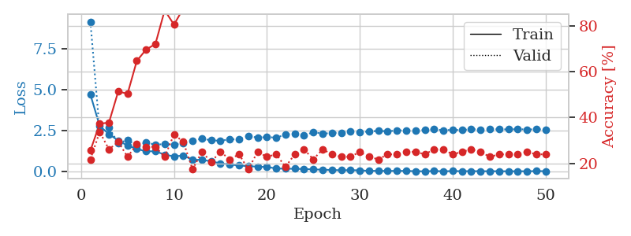
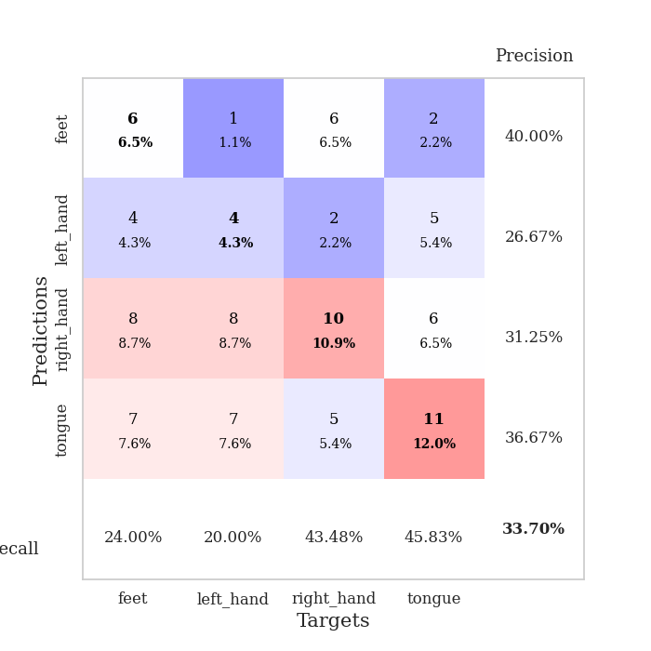
train_loss | valid_loss | train_accuracy | valid_accuracy | dur | train_misclass | valid_misclass
4.7074331304 | 9.1518519443 | 0.25543478261 | 0.21739130435 | 0.098847866058 | 25.543478261 | 21.739130435
2.7994995273 | 2.4479000672 | 0.3722826087 | 0.33695652174 | 0.1045088768 | 37.22826087 | 33.695652174
2.2942299014 | 2.6930871062 | 0.3777173913 | 0.26086956522 | 0.10434222221 | 37.77173913 | 26.086956522
1.9025431612 | 1.7424512324 | 0.51358695652 | 0.29347826087 | 0.10753035545 | 51.358695652 | 29.347826087
1.5986177248 | 1.9360202344 | 0.5027173913 | 0.22826086957 | 0.10445547104 | 50.27173913 | 22.826086957
1.4009079104 | 1.6102052927 | 0.64673913043 | 0.28260869565 | 0.10501337051 | 64.673913043 | 28.260869565
1.2444475319 | 1.7771700569 | 0.69565217391 | 0.27173913043 | 0.10801672935 | 69.565217391 | 27.173913043
1.2548684426 | 1.6592964711 | 0.72010869565 | 0.27173913043 | 0.10838484764 | 72.010869565 | 27.173913043
1.0408808278 | 1.6859592147 | 0.86684782609 | 0.22826086957 | 0.10882329941 | 86.684782609 | 22.826086957
0.94457698257 | 1.6551340352 | 0.80434782609 | 0.32608695652 | 0.10187888145 | 80.434782609 | 32.608695652
0.98942581726 | 1.7626982616 | 0.875 | 0.29347826087 | 0.10591387749 | 87.5 | 29.347826087
0.73829258007 | 1.9021516416 | 0.91847826087 | 0.17391304348 | 0.1110727787 | 91.847826087 | 17.391304348
0.72683611771 | 2.0146545586 | 0.92934782609 | 0.25 | 0.11340975761 | 92.934782609 | 25
0.64238847663 | 1.92289383 | 0.96739130435 | 0.20652173913 | 0.10188031197 | 96.739130435 | 20.652173913
0.51030325501 | 1.8906873879 | 0.98641304348 | 0.25 | 0.10227751732 | 98.641304348 | 25
0.45099695869 | 1.9791203996 | 0.9972826087 | 0.21739130435 | 0.10065960884 | 99.72826087 | 21.739130435
0.38214483209 | 1.9811167821 | 0.9972826087 | 0.23913043478 | 0.10801529884 | 99.72826087 | 23.913043478
0.34386117724 | 2.1828946031 | 0.99456521739 | 0.17391304348 | 0.11260175705 | 99.456521739 | 17.391304348
0.31292279486 | 2.0816881035 | 0.9972826087 | 0.25 | 0.11132502556 | 99.72826087 | 25
0.29436409797 | 2.1177526868 | 1 | 0.22826086957 | 0.10426354408 | 100 | 22.826086957
0.2061945281 | 2.0831959559 | 1 | 0.23913043478 | 0.10235333443 | 100 | 23.913043478
0.18701400187 | 2.2663040887 | 1 | 0.1847826087 | 0.10370230675 | 100 | 18.47826087
0.18696795987 | 2.3333753814 | 1 | 0.23913043478 | 0.10418701172 | 100 | 23.913043478
0.16657697215 | 2.2031425289 | 1 | 0.26086956522 | 0.11593461037 | 100 | 26.086956522
0.14931337616 | 2.4246430293 | 1 | 0.21739130435 | 0.10904359818 | 100 | 21.739130435
0.12806361254 | 2.3194863382 | 1 | 0.26086956522 | 0.10461497307 | 100 | 26.086956522
0.11225473557 | 2.3738848541 | 1 | 0.23913043478 | 0.10469698906 | 100 | 23.913043478
0.093196003333 | 2.3797946598 | 1 | 0.22826086957 | 0.10289573669 | 100 | 22.826086957
0.10005364729 | 2.4585331316 | 1 | 0.22826086957 | 0.11088562012 | 100 | 22.826086957
0.089369836425 | 2.4181679124 | 1 | 0.25 | 0.11227989197 | 100 | 25
0.058448144073 | 2.4578432311 | 1 | 0.22826086957 | 0.11242961884 | 100 | 22.826086957
0.059142352446 | 2.4937508314 | 1 | 0.21739130435 | 0.10074591637 | 100 | 21.739130435
0.054188183104 | 2.474156473 | 1 | 0.23913043478 | 0.11327457428 | 100 | 23.913043478
0.05694936799 | 2.511439935 | 1 | 0.23913043478 | 0.11328554153 | 100 | 23.913043478
0.054803911516 | 2.5350644381 | 1 | 0.25 | 0.10682058334 | 100 | 25
0.038291835064 | 2.5309330173 | 1 | 0.25 | 0.10965800285 | 100 | 25
0.033051876392 | 2.5499287999 | 1 | 0.23913043478 | 0.10967230797 | 100 | 23.913043478
0.048065612498 | 2.5905338163 | 1 | 0.26086956522 | 0.10197234154 | 100 | 26.086956522
0.034451336357 | 2.534543224 | 1 | 0.26086956522 | 0.10579657555 | 100 | 26.086956522
0.045532995268 | 2.5558280323 | 1 | 0.23913043478 | 0.10578155518 | 100 | 23.913043478
0.039720475755 | 2.5458496032 | 1 | 0.25 | 0.10628819466 | 100 | 25
0.041515165495 | 2.5974231181 | 1 | 0.26086956522 | 0.10238099098 | 100 | 26.086956522
0.0380177312 | 2.575046446 | 1 | 0.25 | 0.1093981266 | 100 | 25
0.035523490656 | 2.5874513958 | 1 | 0.22826086957 | 0.10600471497 | 100 | 22.826086957
0.03860951867 | 2.5926379639 | 1 | 0.23913043478 | 0.10526371002 | 100 | 23.913043478
0.031533874693 | 2.5844297098 | 1 | 0.23913043478 | 0.1092402935 | 100 | 23.913043478
0.03744911447 | 2.5976863218 | 1 | 0.23913043478 | 0.1178445816 | 100 | 23.913043478
0.034204506477 | 2.5831824075 | 1 | 0.25 | 0.10747766495 | 100 | 25
0.044320494301 | 2.5881018431 | 1 | 0.23913043478 | 0.10552144051 | 100 | 23.913043478
0.040079887673 | 2.5825213868 | 1 | 0.23913043478 | 0.10646057129 | 100 | 23.913043478

Best Val accuracy is 0.33695652173913043 and Best test accuracy is 0.25

