Sheet
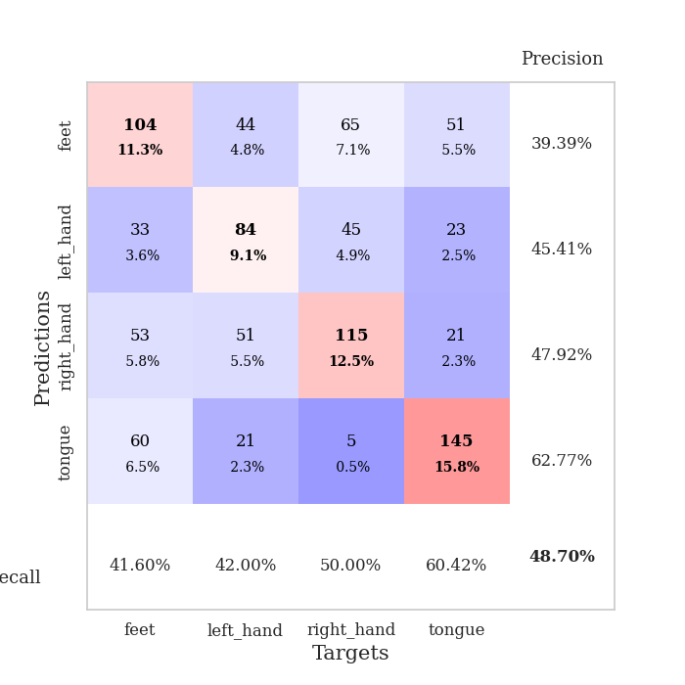
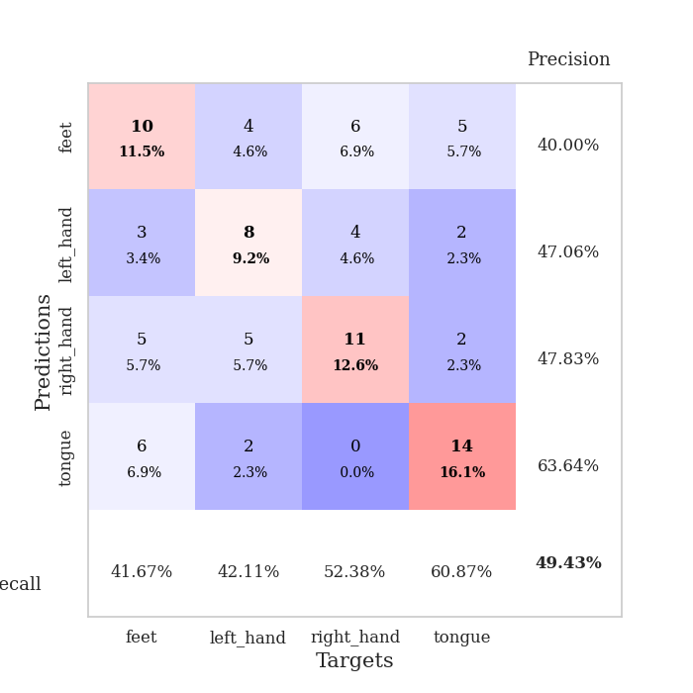
best_val_acc | best_val_los | best_test_acc
0.52173913043 | 1.3542859502 | 0.44827586207
0.46739130435 | 1.378880988 | 0.35344827586
0.51086956522 | 1.4204642669 | 0.43103448276
0.5 | 1.4076405764 | 0.38793103448
0.46739130435 | 1.4436779644 | 0.41379310345
0.47826086957 | 1.4099439331 | 0.35344827586
0.46739130435 | 1.507726037 | 0.37068965517
0.5 | 1.4364773605 | 0.43965517241
0.45652173913 | 1.3574337596 | 0.37068965517
0.5 | 1.3962330663 | 0.4224137931

Mean,std Val accuracy is 0.48695652173913045 , 0.022216970603994045 and mean, std test accuracy is 0.39913793103448275 , 0.03613155818160898

Sheet1
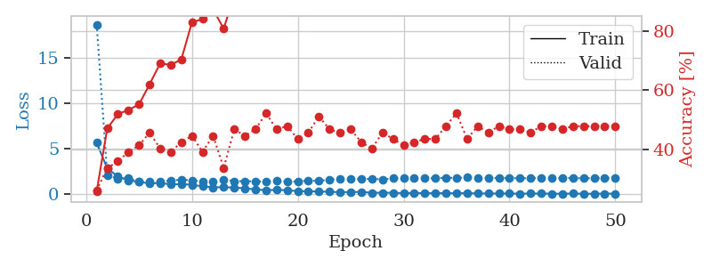
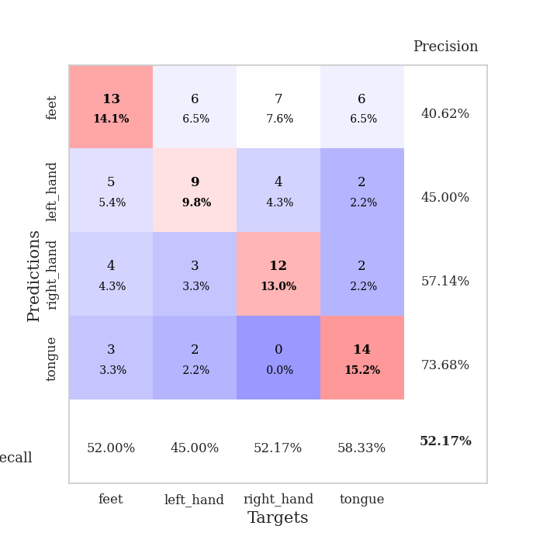
train_loss | valid_loss | train_accuracy | valid_accuracy | dur | train_misclass | valid_misclass
5.6607207319 | 18.710563826 | 0.25815217391 | 0.26086956522 | 0.11147284508 | 25.815217391 | 26.086956522
2.8365548331 | 2.0629591527 | 0.47010869565 | 0.33695652174 | 0.10951471329 | 47.010869565 | 33.695652174
1.9580234134 | 1.6984315903 | 0.51902173913 | 0.35869565217 | 0.10472393036 | 51.902173913 | 35.869565217
1.5300718287 | 1.7487263006 | 0.53260869565 | 0.39130434783 | 0.10472655296 | 53.260869565 | 39.130434783
1.3509348501 | 1.4214742339 | 0.55163043478 | 0.41304347826 | 0.10688591003 | 55.163043478 | 41.304347826
1.1794738484 | 1.3639338949 | 0.61956521739 | 0.45652173913 | 0.10769367218 | 61.956521739 | 45.652173913
1.2365449071 | 1.4135595197 | 0.6902173913 | 0.40217391304 | 0.11175441742 | 69.02173913 | 40.217391304
1.07210533 | 1.4807917813 | 0.6847826087 | 0.39130434783 | 0.10403466225 | 68.47826087 | 39.130434783
1.1163967161 | 1.6107573665 | 0.70380434783 | 0.42391304348 | 0.10481524467 | 70.380434783 | 42.391304348
1.0324776328 | 1.506775685 | 0.82880434783 | 0.44565217391 | 0.1069278717 | 82.880434783 | 44.565217391
0.86658216171 | 1.4340084117 | 0.83967391304 | 0.39130434783 | 0.10758924484 | 83.967391304 | 39.130434783
0.74731171131 | 1.3542859502 | 0.8722826087 | 0.44565217391 | 0.10685658455 | 87.22826087 | 44.565217391
0.76001162179 | 1.6203813864 | 0.80706521739 | 0.33695652174 | 0.11113810539 | 80.706521739 | 33.695652174
0.7251261978 | 1.424754262 | 0.92119565217 | 0.46739130435 | 0.10715055466 | 92.119565217 | 46.739130435
0.64060413708 | 1.4320833528 | 0.9375 | 0.44565217391 | 0.10225725174 | 93.75 | 44.565217391
0.52137254632 | 1.4066943241 | 0.95652173913 | 0.46739130435 | 0.10791873932 | 95.652173913 | 46.739130435
0.42990159276 | 1.3692205211 | 0.97282608696 | 0.52173913043 | 0.10175490379 | 97.282608696 | 52.173913043
0.47196844285 | 1.4740873186 | 0.98641304348 | 0.46739130435 | 0.10837435722 | 98.641304348 | 46.739130435
0.42615813082 | 1.3955222368 | 0.99184782609 | 0.47826086957 | 0.11013913155 | 99.184782609 | 47.826086957
0.34003380913 | 1.3959549821 | 0.9972826087 | 0.4347826087 | 0.1072576046 | 99.72826087 | 43.47826087
0.3091564159 | 1.5029616926 | 1 | 0.45652173913 | 0.10207772255 | 100 | 45.652173913
0.2857157818 | 1.4508041817 | 1 | 0.51086956522 | 0.10785865784 | 100 | 51.086956522
0.26091200875 | 1.6095057 | 0.9972826087 | 0.46739130435 | 0.1067814827 | 99.72826087 | 46.739130435
0.21322229731 | 1.6728184068 | 1 | 0.45652173913 | 0.11038184166 | 100 | 45.652173913
0.23590074965 | 1.6541957803 | 0.9972826087 | 0.46739130435 | 0.10321640968 | 99.72826087 | 46.739130435
0.24011565891 | 1.6649109747 | 1 | 0.42391304348 | 0.10646009445 | 100 | 42.391304348
0.15835562883 | 1.6840986584 | 1 | 0.40217391304 | 0.10824346542 | 100 | 40.217391304
0.15592487594 | 1.628991438 | 1 | 0.45652173913 | 0.11463546753 | 100 | 45.652173913
0.1493471362 | 1.7408118248 | 1 | 0.4347826087 | 0.10659122467 | 100 | 43.47826087
0.10915513968 | 1.7798398267 | 1 | 0.41304347826 | 0.10518860817 | 100 | 41.304347826
0.117176886 | 1.7974918822 | 1 | 0.42391304348 | 0.1101167202 | 100 | 42.391304348
0.10496742675 | 1.7358205422 | 1 | 0.4347826087 | 0.10989880562 | 100 | 43.47826087
0.10194434558 | 1.7599858408 | 1 | 0.4347826087 | 0.10879540443 | 100 | 43.47826087
0.10619720007 | 1.8056163373 | 1 | 0.47826086957 | 0.11361002922 | 100 | 47.826086957
0.095445651075 | 1.7925510406 | 1 | 0.52173913043 | 0.10299921036 | 100 | 52.173913043
0.11226487095 | 1.835328325 | 1 | 0.4347826087 | 0.10257077217 | 100 | 43.47826087
0.077772480557 | 1.8078344646 | 1 | 0.47826086957 | 0.10929870605 | 100 | 47.826086957
0.065491308661 | 1.7613388818 | 1 | 0.45652173913 | 0.10864281654 | 100 | 45.652173913
0.072112661098 | 1.7869758761 | 1 | 0.47826086957 | 0.11143946648 | 100 | 47.826086957
0.068423225787 | 1.7686967176 | 1 | 0.46739130435 | 0.10750079155 | 100 | 46.739130435
0.048200033322 | 1.7584921433 | 1 | 0.46739130435 | 0.10437941551 | 100 | 46.739130435
0.070310141972 | 1.7598553378 | 1 | 0.45652173913 | 0.10888648033 | 100 | 45.652173913
0.063047895775 | 1.7540819334 | 1 | 0.47826086957 | 0.1103374958 | 100 | 47.826086957
0.057130496666 | 1.7399554408 | 1 | 0.47826086957 | 0.10127091408 | 100 | 47.826086957
0.041659255593 | 1.771851975 | 1 | 0.46739130435 | 0.109136343 | 100 | 46.739130435
0.069254490061 | 1.7638315066 | 1 | 0.47826086957 | 0.099140167236 | 100 | 47.826086957
0.037893669639 | 1.7546678419 | 1 | 0.47826086957 | 0.10515975952 | 100 | 47.826086957
0.042066515504 | 1.7549324865 | 1 | 0.47826086957 | 0.098390579224 | 100 | 47.826086957
0.050962148234 | 1.7507548488 | 1 | 0.47826086957 | 0.10228204727 | 100 | 47.826086957
0.058715476088 | 1.7666834385 | 1 | 0.47826086957 | 0.1013109684 | 100 | 47.826086957

Best Val accuracy is 0.5217391304347826 and Best test accuracy is 0.4482758620689655

Sheet2
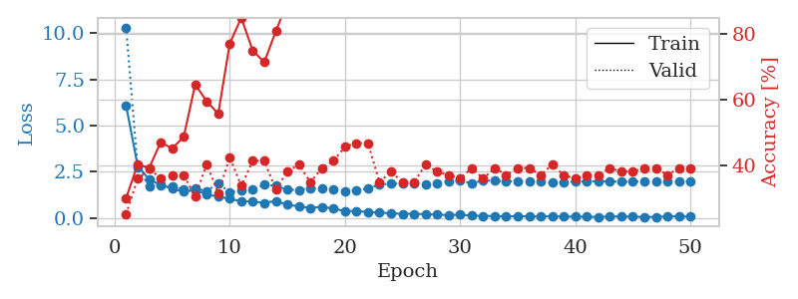
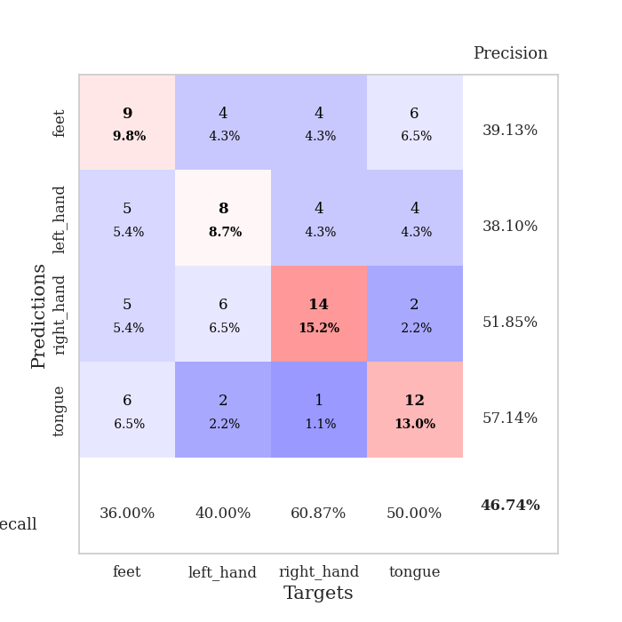
train_loss | valid_loss | train_accuracy | valid_accuracy | dur | train_misclass | valid_misclass
6.0839933831 | 10.313146259 | 0.29891304348 | 0.25 | 0.10648393631 | 29.891304348 | 25
2.8313828551 | 2.7334969458 | 0.40217391304 | 0.35869565217 | 0.097343921661 | 40.217391304 | 35.869565217
2.0719144759 | 1.7035540135 | 0.39130434783 | 0.39130434783 | 0.097087860107 | 39.130434783 | 39.130434783
1.7949434571 | 1.7822719812 | 0.47010869565 | 0.35869565217 | 0.10611486435 | 47.010869565 | 35.869565217
1.572493167 | 1.708118957 | 0.45108695652 | 0.36956521739 | 0.11087870598 | 45.108695652 | 36.956521739
1.4198462756 | 1.5544254624 | 0.48641304348 | 0.36956521739 | 0.10683965683 | 48.641304348 | 36.956521739
1.5087398861 | 1.5935329613 | 0.64673913043 | 0.30434782609 | 0.10216641426 | 64.673913043 | 30.434782609
1.2628794546 | 1.45172016 | 0.59510869565 | 0.40217391304 | 0.11406469345 | 59.510869565 | 40.217391304
1.1522904971 | 1.8844036279 | 0.55706521739 | 0.3152173913 | 0.10976338387 | 55.706521739 | 31.52173913
1.0314121065 | 1.378880988 | 0.77173913043 | 0.42391304348 | 0.10753393173 | 77.173913043 | 42.391304348
0.90047489301 | 1.4995329225 | 0.85054347826 | 0.33695652174 | 0.10872268677 | 85.054347826 | 33.695652174
0.88244773383 | 1.5578688875 | 0.75 | 0.41304347826 | 0.095552206039 | 75 | 41.304347826
0.81370049197 | 1.7879018524 | 0.71467391304 | 0.41304347826 | 0.10717701912 | 71.467391304 | 41.304347826
0.91410432173 | 1.7383518064 | 0.8097826087 | 0.32608695652 | 0.10399985313 | 80.97826087 | 32.608695652
0.71249890716 | 1.5170369563 | 0.89673913043 | 0.38043478261 | 0.1001636982 | 89.673913043 | 38.043478261
0.62340986081 | 1.5148091109 | 0.97826086957 | 0.40217391304 | 0.10033988953 | 97.826086957 | 40.217391304
0.53893161468 | 1.6072150935 | 0.95652173913 | 0.34782608696 | 0.097378730774 | 95.652173913 | 34.782608696
0.59742150359 | 1.5979537083 | 0.98641304348 | 0.39130434783 | 0.091920375824 | 98.641304348 | 39.130434783
0.50053760928 | 1.5519567417 | 0.99184782609 | 0.41304347826 | 0.095700263977 | 99.184782609 | 41.304347826
0.36466521413 | 1.4326978196 | 0.98913043478 | 0.45652173913 | 0.097541809082 | 98.913043478 | 45.652173913
0.37563207584 | 1.5020286259 | 0.99456521739 | 0.46739130435 | 0.10630679131 | 99.456521739 | 46.739130435
0.31031264948 | 1.5770137569 | 1 | 0.46739130435 | 0.11137604713 | 100 | 46.739130435
0.28734370062 | 1.8080074683 | 0.9972826087 | 0.34782608696 | 0.1090555191 | 99.72826087 | 34.782608696
0.24171520672 | 1.8520320291 | 1 | 0.38043478261 | 0.11231637001 | 100 | 38.043478261
0.21811500791 | 1.8533527229 | 1 | 0.34782608696 | 0.10547494888 | 100 | 34.782608696
0.22002300329 | 1.8672951304 | 1 | 0.34782608696 | 0.10395073891 | 100 | 34.782608696
0.19262977528 | 1.7861672899 | 1 | 0.40217391304 | 0.10977911949 | 100 | 40.217391304
0.17783096935 | 1.8808174755 | 1 | 0.38043478261 | 0.10950946808 | 100 | 38.043478261
0.14561129491 | 1.9795288832 | 1 | 0.36956521739 | 0.10856676102 | 100 | 36.956521739
0.17343240231 | 2.0065061217 | 1 | 0.35869565217 | 0.10501360893 | 100 | 35.869565217
0.11718418401 | 1.8767508424 | 1 | 0.39130434783 | 0.10117745399 | 100 | 39.130434783
0.10581221772 | 2.0199650993 | 1 | 0.35869565217 | 0.10206961632 | 100 | 35.869565217
0.09530086702 | 2.006563311 | 1 | 0.39130434783 | 0.1035284996 | 100 | 39.130434783
0.079664207104 | 1.9993834703 | 1 | 0.36956521739 | 0.10522460938 | 100 | 36.956521739
0.098399404112 | 1.9588170259 | 1 | 0.39130434783 | 0.10859155655 | 100 | 39.130434783
0.073921294559 | 1.9678582627 | 1 | 0.39130434783 | 0.10638833046 | 100 | 39.130434783
0.08404412323 | 1.9582775468 | 1 | 0.36956521739 | 0.11107182503 | 100 | 36.956521739
0.085869761508 | 1.9073781242 | 1 | 0.40217391304 | 0.10964989662 | 100 | 40.217391304
0.067145396267 | 1.9388356934 | 1 | 0.36956521739 | 0.10451960564 | 100 | 36.956521739
0.064403134763 | 1.9670522006 | 1 | 0.35869565217 | 0.10617685318 | 100 | 35.869565217
0.064066627569 | 1.9733339704 | 1 | 0.36956521739 | 0.10969591141 | 100 | 36.956521739
0.045386888897 | 1.9793535834 | 1 | 0.36956521739 | 0.1129257679 | 100 | 36.956521739
0.071804105547 | 1.9745889125 | 1 | 0.39130434783 | 0.1056625843 | 100 | 39.130434783
0.076760313838 | 1.9478388869 | 1 | 0.38043478261 | 0.11010718346 | 100 | 38.043478261
0.068160101407 | 1.965400758 | 1 | 0.38043478261 | 0.10449075699 | 100 | 38.043478261
0.045751326555 | 1.9649632184 | 1 | 0.39130434783 | 0.10775542259 | 100 | 39.130434783
0.055713605946 | 1.9781561001 | 1 | 0.39130434783 | 0.10912322998 | 100 | 39.130434783
0.075937453455 | 1.9735151788 | 1 | 0.36956521739 | 0.11207985878 | 100 | 36.956521739
0.082066680669 | 1.9718365773 | 1 | 0.39130434783 | 0.10665440559 | 100 | 39.130434783
0.062650637944 | 1.9887353648 | 1 | 0.39130434783 | 0.11484980583 | 100 | 39.130434783

Best Val accuracy is 0.4673913043478261 and Best test accuracy is 0.35344827586206895

Sheet3
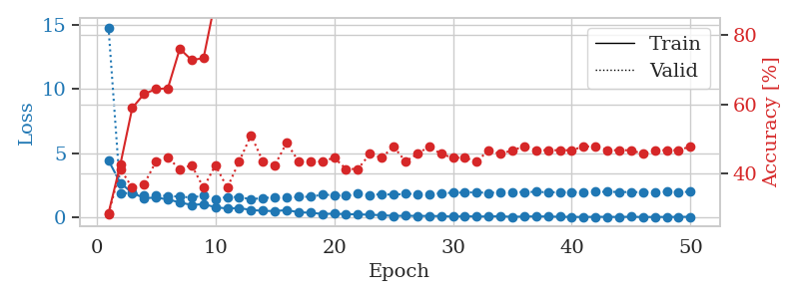
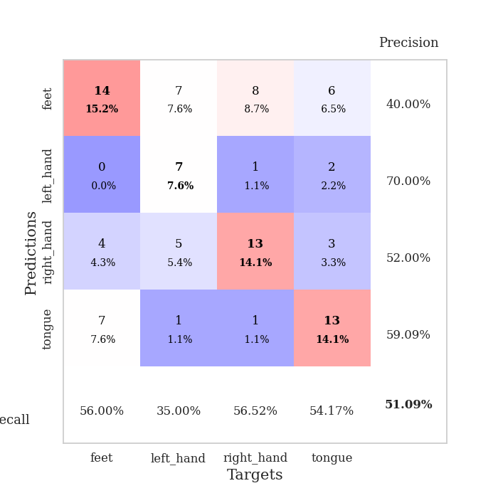
train_loss | valid_loss | train_accuracy | valid_accuracy | dur | train_misclass | valid_misclass
4.4448359479 | 14.803102742 | 0.28532608696 | 0.28260869565 | 0.098715543747 | 28.532608696 | 28.260869565
2.685828919 | 1.8962996524 | 0.42663043478 | 0.41304347826 | 0.10606837273 | 42.663043478 | 41.304347826
1.922168571 | 1.9035926694 | 0.58967391304 | 0.35869565217 | 0.10496234894 | 58.967391304 | 35.869565217
1.5187994838 | 1.7362811254 | 0.63043478261 | 0.36956521739 | 0.10537934303 | 63.043478261 | 36.956521739
1.5418972218 | 1.7067276447 | 0.64402173913 | 0.4347826087 | 0.10359239578 | 64.402173913 | 43.47826087
1.4185424991 | 1.6847875377 | 0.64673913043 | 0.44565217391 | 0.098613739014 | 64.673913043 | 44.565217391
1.1690834605 | 1.6207186398 | 0.76086956522 | 0.41304347826 | 0.10324573517 | 76.086956522 | 41.304347826
0.98365701022 | 1.5611167161 | 0.72826086957 | 0.42391304348 | 0.10713148117 | 72.826086957 | 42.391304348
1.041232687 | 1.7059242155 | 0.73369565217 | 0.35869565217 | 0.10901689529 | 73.369565217 | 35.869565217
0.80901103434 | 1.4204642669 | 0.90217391304 | 0.42391304348 | 0.10262227058 | 90.217391304 | 42.391304348
0.69803574681 | 1.6106070591 | 0.92663043478 | 0.35869565217 | 0.10956430435 | 92.663043478 | 35.869565217
0.74559869455 | 1.5934766479 | 0.9402173913 | 0.4347826087 | 0.11168456078 | 94.02173913 | 43.47826087
0.58220613845 | 1.4208101138 | 0.94293478261 | 0.51086956522 | 0.10289692879 | 94.293478261 | 51.086956522
0.52715727881 | 1.5259538785 | 0.98369565217 | 0.4347826087 | 0.10652756691 | 98.369565217 | 43.47826087
0.49938213955 | 1.560882133 | 0.98913043478 | 0.42391304348 | 0.10928821564 | 98.913043478 | 42.391304348
0.58447445411 | 1.5559309669 | 0.97554347826 | 0.48913043478 | 0.10466194153 | 97.554347826 | 48.913043478
0.41063307226 | 1.6168759439 | 0.9972826087 | 0.4347826087 | 0.1064145565 | 99.72826087 | 43.47826087
0.37340072251 | 1.6168568704 | 0.9972826087 | 0.4347826087 | 0.10651087761 | 99.72826087 | 43.47826087
0.2808966776 | 1.7819917254 | 0.9972826087 | 0.4347826087 | 0.10510540009 | 99.72826087 | 43.47826087
0.29952631372 | 1.7454039895 | 1 | 0.44565217391 | 0.10989832878 | 100 | 44.565217391
0.2637219131 | 1.6898875703 | 0.9972826087 | 0.41304347826 | 0.095816135406 | 99.72826087 | 41.304347826
0.2497905198 | 1.858664098 | 0.9972826087 | 0.41304347826 | 0.10146069527 | 99.72826087 | 41.304347826
0.21661256675 | 1.7515192654 | 1 | 0.45652173913 | 0.1098587513 | 100 | 45.652173913
0.18525418672 | 1.8218541923 | 1 | 0.44565217391 | 0.10533022881 | 100 | 44.565217391
0.12525470863 | 1.7778677526 | 1 | 0.47826086957 | 0.10537791252 | 100 | 47.826086957
0.13670403867 | 1.8466908984 | 1 | 0.4347826087 | 0.10420775414 | 100 | 43.47826087
0.12775519968 | 1.8408987626 | 1 | 0.45652173913 | 0.10550642014 | 100 | 45.652173913
0.12086043977 | 1.8230577293 | 1 | 0.47826086957 | 0.11104464531 | 100 | 47.826086957
0.1123155234 | 1.8852850199 | 1 | 0.45652173913 | 0.10205221176 | 100 | 45.652173913
0.072937228271 | 1.9338488786 | 1 | 0.44565217391 | 0.10758399963 | 100 | 44.565217391
0.1005560959 | 1.9434146881 | 1 | 0.44565217391 | 0.11290478706 | 100 | 44.565217391
0.081208727363 | 1.9722968495 | 1 | 0.4347826087 | 0.11119794846 | 100 | 43.47826087
0.085767125387 | 1.9092017309 | 1 | 0.46739130435 | 0.10229182243 | 100 | 46.739130435
0.099838920181 | 1.9876770248 | 1 | 0.45652173913 | 0.10985207558 | 100 | 45.652173913
0.054301743416 | 1.9724786022 | 1 | 0.46739130435 | 0.11046004295 | 100 | 46.739130435
0.081906639566 | 1.9863956597 | 1 | 0.47826086957 | 0.10609126091 | 100 | 47.826086957
0.088169497964 | 2.0005537945 | 1 | 0.46739130435 | 0.11029791832 | 100 | 46.739130435
0.083021368912 | 1.9654866042 | 1 | 0.46739130435 | 0.10532808304 | 100 | 46.739130435
0.058931288755 | 1.9692471494 | 1 | 0.46739130435 | 0.1132068634 | 100 | 46.739130435
0.050935419884 | 1.988263607 | 1 | 0.46739130435 | 0.099303007126 | 100 | 46.739130435
0.043492739716 | 1.9686513621 | 1 | 0.47826086957 | 0.10658192635 | 100 | 47.826086957
0.057337446948 | 2.0032263061 | 1 | 0.47826086957 | 0.10943889618 | 100 | 47.826086957
0.052607605699 | 2.0003966197 | 1 | 0.46739130435 | 0.10670280457 | 100 | 46.739130435
0.048043453742 | 1.9952534334 | 1 | 0.46739130435 | 0.10695290565 | 100 | 46.739130435
0.059713256221 | 1.975655789 | 1 | 0.46739130435 | 0.10641908646 | 100 | 46.739130435
0.040283143277 | 1.9833298351 | 1 | 0.45652173913 | 0.10584545135 | 100 | 45.652173913
0.047397614376 | 1.9948486608 | 1 | 0.46739130435 | 0.10775470734 | 100 | 46.739130435
0.046360126211 | 2.0041822921 | 1 | 0.46739130435 | 0.11026620865 | 100 | 46.739130435
0.051774505283 | 1.9842979131 | 1 | 0.46739130435 | 0.10901141167 | 100 | 46.739130435
0.058123836658 | 2.0036774304 | 1 | 0.47826086957 | 0.10688352585 | 100 | 47.826086957

Best Val accuracy is 0.5108695652173914 and Best test accuracy is 0.43103448275862066

Sheet4
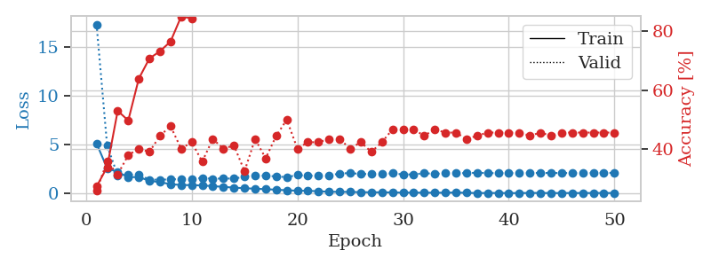
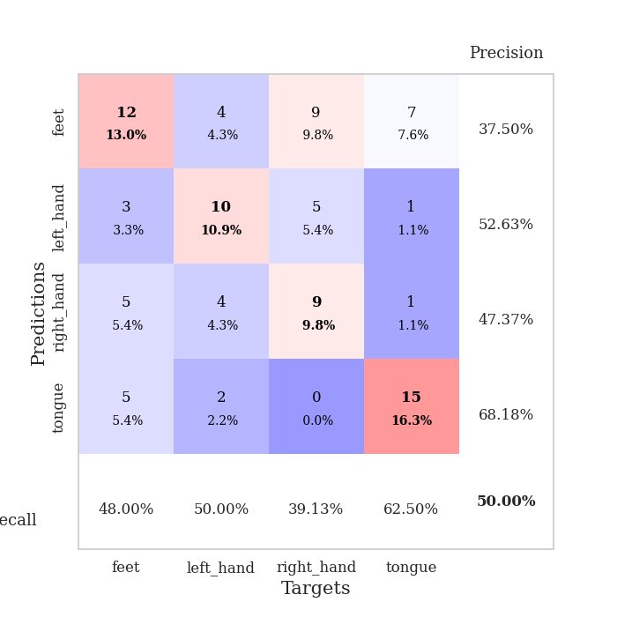
train_loss | valid_loss | train_accuracy | valid_accuracy | dur | train_misclass | valid_misclass
5.1310611082 | 17.344434738 | 0.27445652174 | 0.26086956522 | 0.10670375824 | 27.445652174 | 26.086956522
2.5809370953 | 4.9130374349 | 0.33967391304 | 0.35869565217 | 0.096382379532 | 33.967391304 | 35.869565217
2.200964285 | 1.853272381 | 0.52989130435 | 0.3152173913 | 0.10621643066 | 52.989130435 | 31.52173913
1.6659579847 | 1.9183337999 | 0.4972826087 | 0.38043478261 | 0.10568833351 | 49.72826087 | 38.043478261
1.6759104159 | 1.9260204616 | 0.63858695652 | 0.40217391304 | 0.10962462425 | 63.858695652 | 40.217391304
1.2937879822 | 1.4144275655 | 0.70652173913 | 0.39130434783 | 0.10651040077 | 70.652173913 | 39.130434783
1.1544270412 | 1.4076405764 | 0.73097826087 | 0.44565217391 | 0.11020421982 | 73.097826087 | 44.565217391
0.94575995207 | 1.4328510813 | 0.76358695652 | 0.47826086957 | 0.10836148262 | 76.358695652 | 47.826086957
0.86478034051 | 1.485313514 | 0.84782608696 | 0.40217391304 | 0.10094451904 | 84.782608696 | 40.217391304
0.84529023067 | 1.4408391921 | 0.84239130435 | 0.42391304348 | 0.10442495346 | 84.239130435 | 42.391304348
0.81617388388 | 1.6009956495 | 0.91032608696 | 0.35869565217 | 0.10575342178 | 91.032608696 | 35.869565217
0.74535790734 | 1.4967842517 | 0.92934782609 | 0.4347826087 | 0.10582709312 | 92.934782609 | 43.47826087
0.67330587558 | 1.5352329741 | 0.99184782609 | 0.40217391304 | 0.11062335968 | 99.184782609 | 40.217391304
0.58962556849 | 1.5119549036 | 0.98913043478 | 0.41304347826 | 0.1090722084 | 98.913043478 | 41.304347826
0.53292006772 | 1.718524285 | 0.97554347826 | 0.32608695652 | 0.1134929657 | 97.554347826 | 32.608695652
0.47933785229 | 1.8268054776 | 0.98369565217 | 0.4347826087 | 0.1104054451 | 98.369565217 | 43.47826087
0.43472348348 | 1.8213991497 | 0.97554347826 | 0.36956521739 | 0.10717868805 | 97.554347826 | 36.956521739
0.37729836352 | 1.736796151 | 0.9972826087 | 0.44565217391 | 0.10122489929 | 99.72826087 | 44.565217391
0.31926033549 | 1.6720136922 | 1 | 0.5 | 0.11371827126 | 100 | 50
0.27883812656 | 1.8827815885 | 1 | 0.40217391304 | 0.10915589333 | 100 | 40.217391304
0.26408019435 | 1.8133842893 | 1 | 0.42391304348 | 0.10490965843 | 100 | 42.391304348
0.22096928241 | 1.8112001834 | 1 | 0.42391304348 | 0.10530614853 | 100 | 42.391304348
0.17008926144 | 1.8071648453 | 1 | 0.4347826087 | 0.10483074188 | 100 | 43.47826087
0.15800106979 | 2.0552529356 | 1 | 0.4347826087 | 0.10678291321 | 100 | 43.47826087
0.15241988926 | 2.0775331725 | 1 | 0.40217391304 | 0.10673809052 | 100 | 40.217391304
0.12184962047 | 1.9999585048 | 1 | 0.42391304348 | 0.10687947273 | 100 | 42.391304348
0.11868973068 | 1.9780559125 | 1 | 0.39130434783 | 0.10307240486 | 100 | 39.130434783
0.11118496736 | 1.9854096019 | 1 | 0.42391304348 | 0.11335945129 | 100 | 42.391304348
0.1022015461 | 2.0618727104 | 1 | 0.46739130435 | 0.10927939415 | 100 | 46.739130435
0.078429952669 | 1.9454752881 | 1 | 0.46739130435 | 0.11411619186 | 100 | 46.739130435
0.082220486082 | 1.9462807593 | 1 | 0.46739130435 | 0.1124458313 | 100 | 46.739130435
0.070379681602 | 2.0744822025 | 1 | 0.44565217391 | 0.10500645638 | 100 | 44.565217391
0.073843459882 | 2.0077128307 | 1 | 0.46739130435 | 0.10713768005 | 100 | 46.739130435
0.06895559354 | 2.0643226478 | 1 | 0.45652173913 | 0.10709428787 | 100 | 45.652173913
0.091660072987 | 2.0753385399 | 1 | 0.45652173913 | 0.10086321831 | 100 | 45.652173913
0.056193668395 | 2.0850007638 | 1 | 0.4347826087 | 0.10364055634 | 100 | 43.47826087
0.038272459343 | 2.1142033598 | 1 | 0.44565217391 | 0.11487150192 | 100 | 44.565217391
0.040167010997 | 2.0932230638 | 1 | 0.45652173913 | 0.10195684433 | 100 | 45.652173913
0.044029861668 | 2.0688808172 | 1 | 0.45652173913 | 0.10007858276 | 100 | 45.652173913
0.033744267714 | 2.0767789405 | 1 | 0.45652173913 | 0.11082386971 | 100 | 45.652173913
0.033613428312 | 2.1038022352 | 1 | 0.45652173913 | 0.10276174545 | 100 | 45.652173913
0.04856941851 | 2.0959643592 | 1 | 0.44565217391 | 0.11138081551 | 100 | 44.565217391
0.045300716818 | 2.0971944643 | 1 | 0.45652173913 | 0.10944223404 | 100 | 45.652173913
0.035109871229 | 2.0950244717 | 1 | 0.44565217391 | 0.1069829464 | 100 | 44.565217391
0.036805232967 | 2.0890034074 | 1 | 0.45652173913 | 0.10829758644 | 100 | 45.652173913
0.040832393863 | 2.0984937626 | 1 | 0.45652173913 | 0.099470376968 | 100 | 45.652173913
0.03766152291 | 2.0892933037 | 1 | 0.45652173913 | 0.10240793228 | 100 | 45.652173913
0.039867284748 | 2.1000542226 | 1 | 0.45652173913 | 0.096229076385 | 100 | 45.652173913
0.044230430832 | 2.1163579485 | 1 | 0.45652173913 | 0.098734855652 | 100 | 45.652173913
0.034465797144 | 2.0983580195 | 1 | 0.45652173913 | 0.099245786667 | 100 | 45.652173913

Best Val accuracy is 0.5 and Best test accuracy is 0.3879310344827586

Sheet5
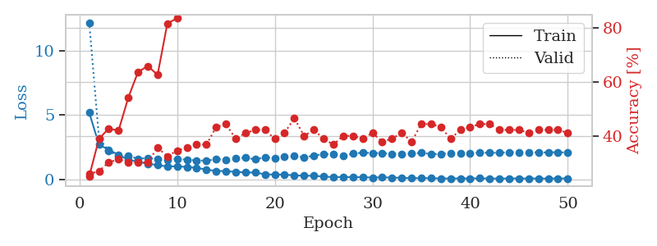
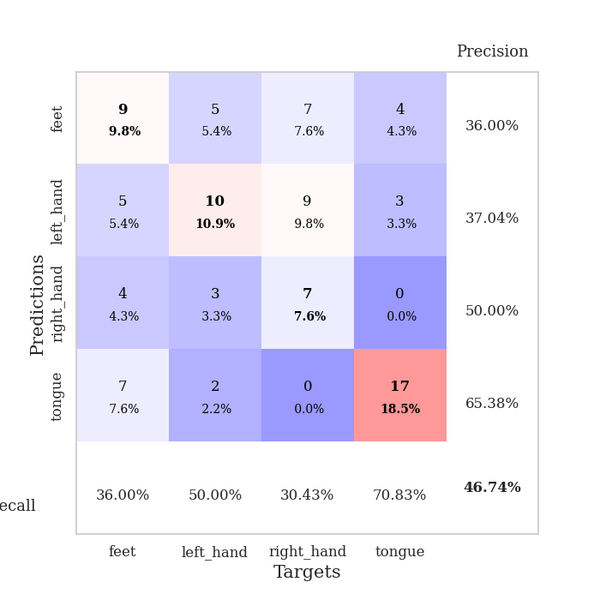
train_loss | valid_loss | train_accuracy | valid_accuracy | dur | train_misclass | valid_misclass
5.1898371655 | 12.201086915 | 0.2527173913 | 0.26086956522 | 0.10093927383 | 25.27173913 | 26.086956522
2.6917678481 | 3.1943245245 | 0.39130434783 | 0.27173913043 | 0.10894083977 | 39.130434783 | 27.173913043
2.2955893952 | 2.2328057445 | 0.42934782609 | 0.30434782609 | 0.10851216316 | 42.934782609 | 30.434782609
1.9053487519 | 1.7602168322 | 0.42119565217 | 0.3152173913 | 0.10201239586 | 42.119565217 | 31.52173913
1.5140028985 | 1.8256160435 | 0.54347826087 | 0.30434782609 | 0.10654902458 | 54.347826087 | 30.434782609
1.3675367469 | 1.5978524322 | 0.63858695652 | 0.30434782609 | 0.10218453407 | 63.858695652 | 30.434782609
1.2013646857 | 1.6640924785 | 0.66032608696 | 0.30434782609 | 0.10048270226 | 66.032608696 | 30.434782609
1.1056613378 | 1.5465889755 | 0.6277173913 | 0.35869565217 | 0.09566617012 | 62.77173913 | 35.869565217
0.99062289622 | 1.5347948904 | 0.81793478261 | 0.32608695652 | 0.096457719803 | 81.793478261 | 32.608695652
1.0167032169 | 1.5965341122 | 0.83695652174 | 0.34782608696 | 0.10860276222 | 83.695652174 | 34.782608696
0.95167812835 | 1.5169403242 | 0.90760869565 | 0.35869565217 | 0.10665345192 | 90.760869565 | 35.869565217
0.88915341315 | 1.4674767152 | 0.91576086957 | 0.36956521739 | 0.10236859322 | 91.576086957 | 36.956521739
0.75549296452 | 1.4436779644 | 0.92391304348 | 0.36956521739 | 0.10207176208 | 92.391304348 | 36.956521739
0.64234845016 | 1.5550678087 | 0.97010869565 | 0.4347826087 | 0.10764598846 | 97.010869565 | 43.47826087
0.63967551874 | 1.5377526905 | 0.92119565217 | 0.44565217391 | 0.09611082077 | 92.119565217 | 44.565217391
0.57064006575 | 1.6316777364 | 0.96467391304 | 0.39130434783 | 0.099793434143 | 96.467391304 | 39.130434783
0.53826162025 | 1.6853635 | 0.97826086957 | 0.41304347826 | 0.09917640686 | 97.826086957 | 41.304347826
0.52001813443 | 1.5478608556 | 0.98097826087 | 0.42391304348 | 0.10384964943 | 98.097826087 | 42.391304348
0.38754804173 | 1.7104894026 | 0.9972826087 | 0.42391304348 | 0.09889960289 | 99.72826087 | 42.391304348
0.36147325972 | 1.6553977313 | 0.98913043478 | 0.39130434783 | 0.10336995125 | 98.913043478 | 39.130434783
0.3646755063 | 1.7332163013 | 0.98913043478 | 0.41304347826 | 0.0958340168 | 98.913043478 | 41.304347826
0.29780939416 | 1.8348813212 | 0.9972826087 | 0.46739130435 | 0.10248208046 | 99.72826087 | 46.739130435
0.27748733662 | 1.7035892165 | 0.99184782609 | 0.40217391304 | 0.099827528 | 99.184782609 | 40.217391304
0.27021169938 | 1.8443136941 | 1 | 0.42391304348 | 0.10266208649 | 100 | 42.391304348
0.2129974145 | 1.9686206216 | 1 | 0.39130434783 | 0.10310149193 | 100 | 39.130434783
0.16373850632 | 1.9387117158 | 1 | 0.36956521739 | 0.099238634109 | 100 | 36.956521739
0.18271521811 | 1.8304933724 | 1 | 0.40217391304 | 0.096919059753 | 100 | 40.217391304
0.16277972398 | 1.9923179772 | 1 | 0.40217391304 | 0.10489749908 | 100 | 40.217391304
0.15974096938 | 2.075379382 | 1 | 0.39130434783 | 0.10837578773 | 100 | 39.130434783
0.13209315916 | 2.0405092032 | 1 | 0.41304347826 | 0.099333286285 | 100 | 41.304347826
0.15342741913 | 2.0358511158 | 1 | 0.38043478261 | 0.095637083054 | 100 | 38.043478261
0.12668077518 | 1.9775644385 | 1 | 0.39130434783 | 0.10327029228 | 100 | 39.130434783
0.11631853012 | 1.9660313855 | 1 | 0.41304347826 | 0.10257577896 | 100 | 41.304347826
0.078627538098 | 1.9987571447 | 1 | 0.38043478261 | 0.10310578346 | 100 | 38.043478261
0.095331551102 | 2.0559913801 | 1 | 0.44565217391 | 0.1011223793 | 100 | 44.565217391
0.083210629533 | 1.9678999134 | 1 | 0.44565217391 | 0.099096775055 | 100 | 44.565217391
0.064203392795 | 1.9675995889 | 1 | 0.4347826087 | 0.099434137344 | 100 | 43.47826087
0.061693376659 | 2.0354982044 | 1 | 0.39130434783 | 0.092348575592 | 100 | 39.130434783
0.070799218329 | 2.045676221 | 1 | 0.42391304348 | 0.099354028702 | 100 | 42.391304348
0.066129735064 | 2.023368286 | 1 | 0.4347826087 | 0.10362267494 | 100 | 43.47826087
0.071177613476 | 2.0810830593 | 1 | 0.44565217391 | 0.10328841209 | 100 | 44.565217391
0.06075397563 | 2.0550791388 | 1 | 0.44565217391 | 0.095856189728 | 100 | 44.565217391
0.055584151622 | 2.0714047992 | 1 | 0.42391304348 | 0.10693144798 | 100 | 42.391304348
0.065914878865 | 2.1059917885 | 1 | 0.42391304348 | 0.10324048996 | 100 | 42.391304348
0.065616188206 | 2.1083194173 | 1 | 0.42391304348 | 0.10292172432 | 100 | 42.391304348
0.060541302087 | 2.1071340623 | 1 | 0.41304347826 | 0.099603176117 | 100 | 41.304347826
0.061635302582 | 2.0918250602 | 1 | 0.42391304348 | 0.099283456802 | 100 | 42.391304348
0.060695523113 | 2.0924125651 | 1 | 0.42391304348 | 0.095823526382 | 100 | 42.391304348
0.059615068745 | 2.112492665 | 1 | 0.42391304348 | 0.096716403961 | 100 | 42.391304348
0.067813623211 | 2.0744195088 | 1 | 0.41304347826 | 0.10240602493 | 100 | 41.304347826

Best Val accuracy is 0.4673913043478261 and Best test accuracy is 0.41379310344827586

Sheet6
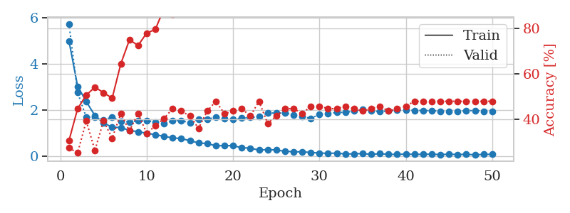
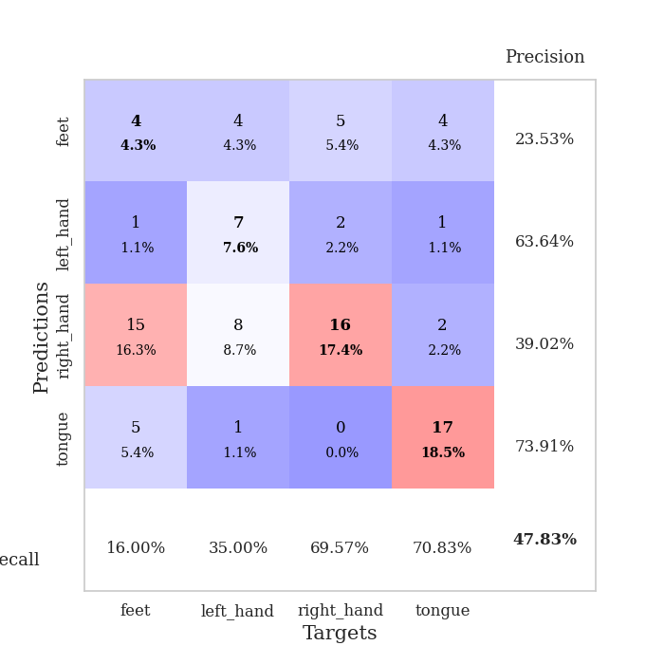
train_loss | valid_loss | train_accuracy | valid_accuracy | dur | train_misclass | valid_misclass
4.9885765262 | 5.7351931696 | 0.30434782609 | 0.27173913043 | 0.098300695419 | 30.434782609 | 27.173913043
3.0224192557 | 2.7574432207 | 0.44565217391 | 0.25 | 0.096143484116 | 44.565217391 | 25
2.3603907513 | 1.67820676 | 0.50543478261 | 0.39130434783 | 0.096532583237 | 50.543478261 | 39.130434783
1.753218472 | 1.6942433171 | 0.54076086957 | 0.26086956522 | 0.095785856247 | 54.076086957 | 26.086956522
1.4330111742 | 1.5659413752 | 0.51630434783 | 0.39130434783 | 0.10406851768 | 51.630434783 | 39.130434783
1.2480255016 | 1.6857625972 | 0.49184782609 | 0.3152173913 | 0.096973180771 | 49.184782609 | 31.52173913
1.238147492 | 1.5085678412 | 0.64402173913 | 0.42391304348 | 0.10402059555 | 64.402173913 | 42.391304348
1.1105838288 | 1.4768439169 | 0.75 | 0.34782608696 | 0.10793972015 | 75 | 34.782608696
1.0530791231 | 1.5169819593 | 0.72554347826 | 0.42391304348 | 0.10609149933 | 72.554347826 | 42.391304348
0.98755618541 | 1.5333935282 | 0.77989130435 | 0.33695652174 | 0.11428761482 | 77.989130435 | 33.695652174
0.92408372267 | 1.47270652 | 0.79619565217 | 0.36956521739 | 0.11201357841 | 79.619565217 | 36.956521739
0.8536342499 | 1.4099439331 | 0.88858695652 | 0.40217391304 | 0.10499691963 | 88.858695652 | 40.217391304
0.78465873003 | 1.5236580268 | 0.86413043478 | 0.44565217391 | 0.10988283157 | 86.413043478 | 44.565217391
0.75680039888 | 1.5442024469 | 0.9347826087 | 0.4347826087 | 0.10806107521 | 93.47826087 | 43.47826087
0.66430362411 | 1.4294500558 | 0.94293478261 | 0.41304347826 | 0.11205720901 | 94.293478261 | 41.304347826
0.56901238016 | 1.6072145389 | 0.94293478261 | 0.35869565217 | 0.10136413574 | 94.293478261 | 35.869565217
0.53840654117 | 1.5822523314 | 0.98097826087 | 0.4347826087 | 0.10455679893 | 98.097826087 | 43.47826087
0.4436305567 | 1.6933148218 | 0.95108695652 | 0.47826086957 | 0.10795998573 | 95.108695652 | 47.826086957
0.44830104514 | 1.633447445 | 0.98097826087 | 0.42391304348 | 0.10957860947 | 98.097826087 | 42.391304348
0.45001079077 | 1.5781532319 | 0.98369565217 | 0.4347826087 | 0.11014652252 | 98.369565217 | 43.47826087
0.35796216713 | 1.6400383918 | 0.99456521739 | 0.44565217391 | 0.10502576828 | 99.456521739 | 44.565217391
0.343922341 | 1.6724709272 | 1 | 0.41304347826 | 0.10809397697 | 100 | 41.304347826
0.25444544301 | 1.7007538806 | 1 | 0.47826086957 | 0.10238623619 | 100 | 47.826086957
0.28179345248 | 1.872368911 | 1 | 0.38043478261 | 0.1132774353 | 100 | 38.043478261
0.25746147853 | 1.8567519654 | 1 | 0.41304347826 | 0.11138367653 | 100 | 41.304347826
0.20626209692 | 1.8663882121 | 1 | 0.44565217391 | 0.10119223595 | 100 | 44.565217391
0.18502783856 | 1.7911594484 | 1 | 0.44565217391 | 0.10696315765 | 100 | 44.565217391
0.17923853935 | 1.7227915422 | 1 | 0.42391304348 | 0.10820245743 | 100 | 42.391304348
0.15642806628 | 1.6227994069 | 1 | 0.45652173913 | 0.10079646111 | 100 | 45.652173913
0.12797931371 | 1.815423074 | 1 | 0.45652173913 | 0.10373306274 | 100 | 45.652173913
0.11694925902 | 1.8328151703 | 1 | 0.44565217391 | 0.10149693489 | 100 | 44.565217391
0.12455972009 | 1.8943297189 | 1 | 0.44565217391 | 0.10888338089 | 100 | 44.565217391
0.087175713933 | 1.8858897375 | 1 | 0.45652173913 | 0.10507106781 | 100 | 45.652173913
0.09473632681 | 1.9565987328 | 1 | 0.44565217391 | 0.10901284218 | 100 | 44.565217391
0.1066960202 | 2.0150164366 | 1 | 0.4347826087 | 0.10952019691 | 100 | 43.47826087
0.068920666838 | 1.9516769337 | 1 | 0.44565217391 | 0.1052737236 | 100 | 44.565217391
0.10034301796 | 1.9319585562 | 1 | 0.45652173913 | 0.10222482681 | 100 | 45.652173913
0.069249723674 | 1.9518824608 | 1 | 0.4347826087 | 0.10560011864 | 100 | 43.47826087
0.070609722772 | 1.9877385057 | 1 | 0.44565217391 | 0.10275220871 | 100 | 44.565217391
0.081916816776 | 2.0063636251 | 1 | 0.45652173913 | 0.10808038712 | 100 | 45.652173913
0.072517061889 | 1.9777069144 | 1 | 0.47826086957 | 0.10438537598 | 100 | 47.826086957
0.072044362597 | 1.9740802309 | 1 | 0.47826086957 | 0.10858893394 | 100 | 47.826086957
0.08102736861 | 1.965180962 | 1 | 0.47826086957 | 0.10452866554 | 100 | 47.826086957
0.059215258564 | 1.9440899362 | 1 | 0.47826086957 | 0.11467123032 | 100 | 47.826086957
0.079757018946 | 1.9420332857 | 1 | 0.47826086957 | 0.1103181839 | 100 | 47.826086957
0.064621079835 | 1.9396425952 | 1 | 0.47826086957 | 0.10271668434 | 100 | 47.826086957
0.072826888331 | 1.9640125451 | 1 | 0.47826086957 | 0.10541892052 | 100 | 47.826086957
0.052145200863 | 1.9724885484 | 1 | 0.47826086957 | 0.11447954178 | 100 | 47.826086957
0.070060775696 | 1.9461878642 | 1 | 0.47826086957 | 0.10643148422 | 100 | 47.826086957
0.074722810851 | 1.9405149377 | 1 | 0.47826086957 | 0.099328756332 | 100 | 47.826086957

Best Val accuracy is 0.4782608695652174 and Best test accuracy is 0.35344827586206895

Sheet7
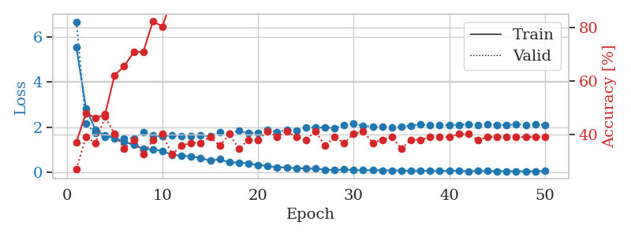
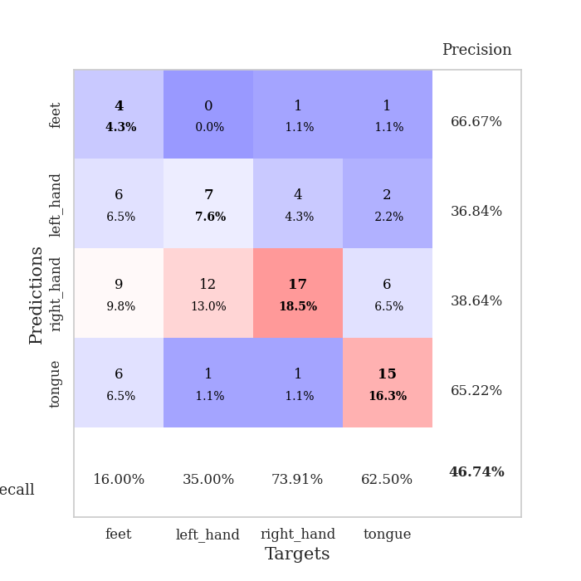
train_loss | valid_loss | train_accuracy | valid_accuracy | dur | train_misclass | valid_misclass
5.5555006939 | 6.6877818937 | 0.3722826087 | 0.27173913043 | 0.098104476929 | 37.22826087 | 27.173913043
2.8365576215 | 2.1450074445 | 0.48097826087 | 0.39130434783 | 0.094837903976 | 48.097826087 | 39.130434783
1.8772837857 | 1.7441237854 | 0.46195652174 | 0.36956521739 | 0.10659122467 | 46.195652174 | 36.956521739
1.6178426535 | 1.5530605109 | 0.47554347826 | 0.46739130435 | 0.10785579681 | 47.554347826 | 46.739130435
1.5071221564 | 1.671599611 | 0.6222826087 | 0.40217391304 | 0.10712265968 | 62.22826087 | 40.217391304
1.3454241986 | 1.507726037 | 0.65489130435 | 0.34782608696 | 0.10869979858 | 65.489130435 | 34.782608696
1.2045541509 | 1.5079016271 | 0.70923913043 | 0.38043478261 | 0.11172771454 | 70.923913043 | 38.043478261
1.0325881709 | 1.7850673251 | 0.70923913043 | 0.32608695652 | 0.1086602211 | 70.923913043 | 32.608695652
0.99910699414 | 1.6227956233 | 0.82336956522 | 0.38043478261 | 0.10729169846 | 82.336956522 | 38.043478261
0.94212320577 | 1.5828475797 | 0.80434782609 | 0.40217391304 | 0.1025493145 | 80.434782609 | 40.217391304
0.75870357778 | 1.6446735133 | 0.90760869565 | 0.32608695652 | 0.10361409187 | 90.760869565 | 32.608695652
0.73359827762 | 1.5916403636 | 0.94836956522 | 0.35869565217 | 0.10457038879 | 94.836956522 | 35.869565217
0.68479767312 | 1.6008342297 | 0.95380434783 | 0.36956521739 | 0.10972642899 | 95.380434783 | 36.956521739
0.62886884679 | 1.6265837783 | 0.92934782609 | 0.36956521739 | 0.10902667046 | 92.934782609 | 36.956521739
0.50047246658 | 1.5898421899 | 0.96467391304 | 0.39130434783 | 0.10533189774 | 96.467391304 | 39.130434783
0.5728763018 | 1.7637935566 | 0.98913043478 | 0.35869565217 | 0.11026382446 | 98.913043478 | 35.869565217
0.43029028307 | 1.7109225885 | 0.98913043478 | 0.40217391304 | 0.10631036758 | 98.913043478 | 40.217391304
0.42358188266 | 1.8312817708 | 0.9972826087 | 0.34782608696 | 0.10745620728 | 99.72826087 | 34.782608696
0.3754283112 | 1.7230767582 | 0.99456521739 | 0.38043478261 | 0.10683870316 | 99.456521739 | 38.043478261
0.31567258874 | 1.7449762251 | 0.9972826087 | 0.38043478261 | 0.10614228249 | 99.72826087 | 38.043478261
0.27251101593 | 1.8751933419 | 1 | 0.41304347826 | 0.10655641556 | 100 | 41.304347826
0.21051997222 | 1.7805923638 | 0.9972826087 | 0.39130434783 | 0.10261464119 | 99.72826087 | 39.130434783
0.20660247395 | 1.8708204757 | 1 | 0.41304347826 | 0.11067438126 | 100 | 41.304347826
0.16831000749 | 1.8552857275 | 1 | 0.39130434783 | 0.10743069649 | 100 | 39.130434783
0.16413822122 | 1.9873235485 | 1 | 0.38043478261 | 0.10657143593 | 100 | 38.043478261
0.1484197579 | 1.9666646719 | 1 | 0.41304347826 | 0.1060833931 | 100 | 41.304347826
0.10442496537 | 1.9930154707 | 1 | 0.35869565217 | 0.10940933228 | 100 | 35.869565217
0.088384684013 | 1.9524620357 | 1 | 0.39130434783 | 0.1066865921 | 100 | 39.130434783
0.11587671227 | 2.098183098 | 1 | 0.36956521739 | 0.10540533066 | 100 | 36.956521739
0.08304417352 | 2.1419869869 | 1 | 0.40217391304 | 0.10503840446 | 100 | 40.217391304
0.080564854829 | 2.0586675716 | 1 | 0.41304347826 | 0.099943637848 | 100 | 41.304347826
0.08683951029 | 2.0212026575 | 1 | 0.36956521739 | 0.10621500015 | 100 | 36.956521739
0.076169057182 | 2.0117886222 | 1 | 0.38043478261 | 0.10594940186 | 100 | 38.043478261
0.070950422031 | 1.9841144448 | 1 | 0.39130434783 | 0.11054205894 | 100 | 39.130434783
0.072314321023 | 2.0215453324 | 1 | 0.34782608696 | 0.10999059677 | 100 | 34.782608696
0.050491922737 | 2.0634380009 | 1 | 0.38043478261 | 0.1099395752 | 100 | 38.043478261
0.062656093227 | 2.1061614389 | 1 | 0.38043478261 | 0.11050081253 | 100 | 38.043478261
0.050836633081 | 2.0979120317 | 1 | 0.39130434783 | 0.10666799545 | 100 | 39.130434783
0.0499562019 | 2.1039307325 | 1 | 0.39130434783 | 0.10968375206 | 100 | 39.130434783
0.059529325074 | 2.0785660796 | 1 | 0.39130434783 | 0.10843443871 | 100 | 39.130434783
0.061469791842 | 2.10384825 | 1 | 0.40217391304 | 0.10572528839 | 100 | 40.217391304
0.034138616782 | 2.1166633212 | 1 | 0.40217391304 | 0.10381507874 | 100 | 40.217391304
0.052507356741 | 2.1029170596 | 1 | 0.38043478261 | 0.10534954071 | 100 | 38.043478261
0.045998163643 | 2.1139901203 | 1 | 0.39130434783 | 0.10313892365 | 100 | 39.130434783
0.039394896315 | 2.1017866549 | 1 | 0.39130434783 | 0.096981048584 | 100 | 39.130434783
0.039525401353 | 2.0928917449 | 1 | 0.39130434783 | 0.096833944321 | 100 | 39.130434783
0.041137933974 | 2.1200718672 | 1 | 0.39130434783 | 0.098489522934 | 100 | 39.130434783
0.033611797161 | 2.1024734974 | 1 | 0.39130434783 | 0.11145019531 | 100 | 39.130434783
0.038445015296 | 2.1069910112 | 1 | 0.39130434783 | 0.10528087616 | 100 | 39.130434783
0.047021604548 | 2.0977549553 | 1 | 0.39130434783 | 0.10914444923 | 100 | 39.130434783

Best Val accuracy is 0.4673913043478261 and Best test accuracy is 0.3706896551724138

Sheet8
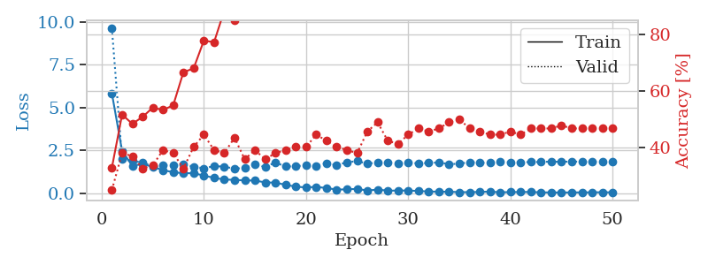
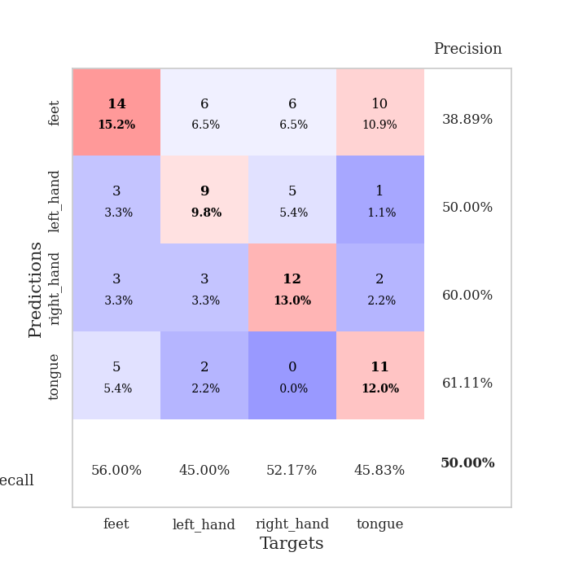
train_loss | valid_loss | train_accuracy | valid_accuracy | dur | train_misclass | valid_misclass
5.8373724274 | 9.6297299758 | 0.32880434783 | 0.25 | 0.10748267174 | 32.880434783 | 25
2.4694408282 | 2.0090807728 | 0.51630434783 | 0.38043478261 | 0.10849237442 | 51.630434783 | 38.043478261
1.6111375456 | 1.8823067779 | 0.48369565217 | 0.36956521739 | 0.10583496094 | 48.369565217 | 36.956521739
1.7080525289 | 1.7999708601 | 0.50815217391 | 0.32608695652 | 0.10678219795 | 50.815217391 | 32.608695652
1.5551555882 | 1.5801069892 | 0.54076086957 | 0.33695652174 | 0.10872149467 | 54.076086957 | 33.695652174
1.3525464327 | 1.642595939 | 0.53260869565 | 0.39130434783 | 0.1110200882 | 53.260869565 | 39.130434783
1.2354256485 | 1.6375193544 | 0.54891304348 | 0.38043478261 | 0.11226773262 | 54.891304348 | 38.043478261
1.1751493164 | 1.6922724558 | 0.66576086957 | 0.32608695652 | 0.10151982307 | 66.576086957 | 32.608695652
1.1776040637 | 1.5574244624 | 0.67934782609 | 0.40217391304 | 0.10633015633 | 67.934782609 | 40.217391304
1.0388034738 | 1.4593778279 | 0.77717391304 | 0.44565217391 | 0.10732197762 | 77.717391304 | 44.565217391
0.90507462232 | 1.5908846648 | 0.77173913043 | 0.39130434783 | 0.10660362244 | 77.173913043 | 39.130434783
0.80866126133 | 1.5609698296 | 0.88315217391 | 0.38043478261 | 0.1097202301 | 88.315217391 | 38.043478261
0.78826093933 | 1.4364773605 | 0.84782608696 | 0.4347826087 | 0.11019825935 | 84.782608696 | 43.47826087
0.75614871409 | 1.4879382434 | 0.9347826087 | 0.35869565217 | 0.10666441917 | 93.47826087 | 35.869565217
0.75044862343 | 1.6950314822 | 0.9375 | 0.39130434783 | 0.10567831993 | 93.75 | 39.130434783
0.6389396994 | 1.5403868737 | 0.95923913043 | 0.35869565217 | 0.10584521294 | 95.923913043 | 35.869565217
0.62627922452 | 1.8028881291 | 0.94836956522 | 0.38043478261 | 0.10484361649 | 94.836956522 | 38.043478261
0.50079161901 | 1.5685205822 | 0.98097826087 | 0.39130434783 | 0.10942745209 | 98.097826087 | 39.130434783
0.39214747043 | 1.5804860955 | 0.96739130435 | 0.40217391304 | 0.1102039814 | 96.739130435 | 40.217391304
0.3453162779 | 1.6476204292 | 1 | 0.40217391304 | 0.11415266991 | 100 | 40.217391304
0.38110208382 | 1.6113873306 | 1 | 0.44565217391 | 0.10961127281 | 100 | 44.565217391
0.31001349992 | 1.754601235 | 0.99184782609 | 0.42391304348 | 0.11101078987 | 99.184782609 | 42.391304348
0.22168041312 | 1.6480267152 | 1 | 0.40217391304 | 0.11266231537 | 100 | 40.217391304
0.23414106084 | 1.8113517865 | 1 | 0.39130434783 | 0.10601782799 | 100 | 39.130434783
0.2640318741 | 1.8816032617 | 1 | 0.38043478261 | 0.10898017883 | 100 | 38.043478261
0.16409111169 | 1.7360232084 | 1 | 0.45652173913 | 0.10903811455 | 100 | 45.652173913
0.22412549445 | 1.7938577714 | 1 | 0.48913043478 | 0.11171078682 | 100 | 48.913043478
0.15952679418 | 1.8206889422 | 1 | 0.42391304348 | 0.10546660423 | 100 | 42.391304348
0.16453529052 | 1.7605545521 | 1 | 0.41304347826 | 0.10839176178 | 100 | 41.304347826
0.16808158726 | 1.8217309765 | 1 | 0.44565217391 | 0.10602521896 | 100 | 44.565217391
0.13864025854 | 1.733630709 | 1 | 0.46739130435 | 0.1133184433 | 100 | 46.739130435
0.11093013871 | 1.7796631896 | 1 | 0.45652173913 | 0.1074681282 | 100 | 45.652173913
0.097944639866 | 1.7991760917 | 1 | 0.46739130435 | 0.10935378075 | 100 | 46.739130435
0.097673350338 | 1.706682257 | 1 | 0.48913043478 | 0.10484361649 | 100 | 48.913043478
0.072467712847 | 1.7279763429 | 1 | 0.5 | 0.10484361649 | 100 | 50
0.072833183586 | 1.8223334706 | 1 | 0.46739130435 | 0.10640358925 | 100 | 46.739130435
0.082977928464 | 1.7904067558 | 1 | 0.45652173913 | 0.10483956337 | 100 | 45.652173913
0.10460410267 | 1.7729110925 | 1 | 0.44565217391 | 0.10783648491 | 100 | 44.565217391
0.062284527994 | 1.8326886115 | 1 | 0.44565217391 | 0.11264014244 | 100 | 44.565217391
0.077506521676 | 1.8136367798 | 1 | 0.45652173913 | 0.10728526115 | 100 | 45.652173913
0.077488823146 | 1.8205763672 | 1 | 0.44565217391 | 0.1080532074 | 100 | 44.565217391
0.085650270238 | 1.8258478434 | 1 | 0.46739130435 | 0.10688328743 | 100 | 46.739130435
0.058207632852 | 1.8309281909 | 1 | 0.46739130435 | 0.10365462303 | 100 | 46.739130435
0.056874501235 | 1.8534414043 | 1 | 0.46739130435 | 0.11260032654 | 100 | 46.739130435
0.04997760268 | 1.8376953809 | 1 | 0.47826086957 | 0.10628795624 | 100 | 47.826086957
0.058225152285 | 1.8598304728 | 1 | 0.46739130435 | 0.10578775406 | 100 | 46.739130435
0.057386213995 | 1.8443558423 | 1 | 0.46739130435 | 0.10735321045 | 100 | 46.739130435
0.062158548719 | 1.8468998619 | 1 | 0.46739130435 | 0.11050844193 | 100 | 46.739130435
0.066467810422 | 1.8467354463 | 1 | 0.46739130435 | 0.10319709778 | 100 | 46.739130435
0.060608321679 | 1.8400396471 | 1 | 0.46739130435 | 0.11146616936 | 100 | 46.739130435

Best Val accuracy is 0.5 and Best test accuracy is 0.4396551724137931

Sheet9
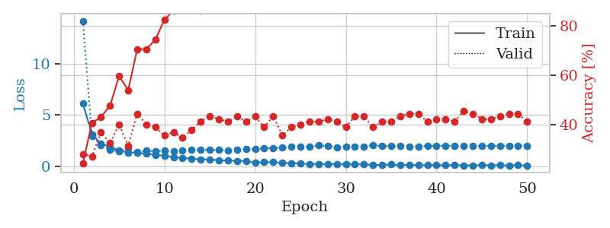
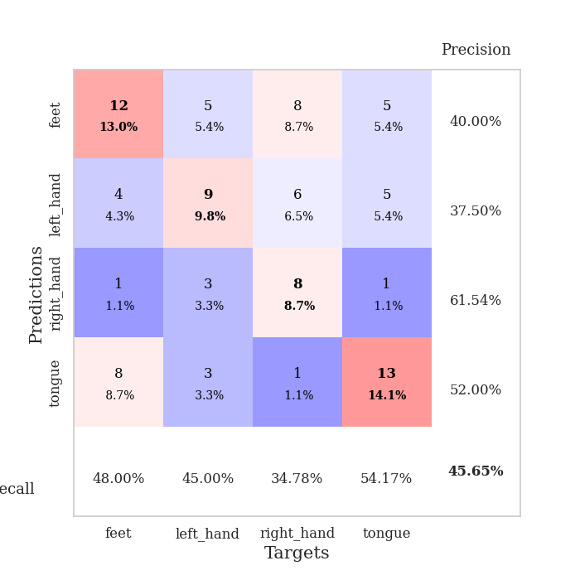
train_loss | valid_loss | train_accuracy | valid_accuracy | dur | train_misclass | valid_misclass
6.1257493911 | 14.160743382 | 0.24456521739 | 0.28260869565 | 0.10370779037 | 24.456521739 | 28.260869565
3.1130700474 | 2.932704117 | 0.40760869565 | 0.27173913043 | 0.10626530647 | 40.760869565 | 27.173913043
2.1770876283 | 2.0340683875 | 0.43206521739 | 0.36956521739 | 0.10380172729 | 43.206521739 | 36.956521739
1.8864691517 | 1.5653431519 | 0.47826086957 | 0.32608695652 | 0.10544252396 | 47.826086957 | 32.608695652
1.4938687578 | 1.4316296266 | 0.59782608696 | 0.40217391304 | 0.10427737236 | 59.782608696 | 40.217391304
1.3282644075 | 1.729303842 | 0.54076086957 | 0.3152173913 | 0.10463404655 | 54.076086957 | 31.52173913
1.3114739916 | 1.3574337596 | 0.70652173913 | 0.44565217391 | 0.10983324051 | 70.652173913 | 44.565217391
1.1895127141 | 1.4851667311 | 0.70652173913 | 0.40217391304 | 0.10196638107 | 70.652173913 | 40.217391304
1.0914033237 | 1.4616168012 | 0.74456521739 | 0.39130434783 | 0.10386228561 | 74.456521739 | 39.130434783
1.0149487879 | 1.4896453464 | 0.82608695652 | 0.35869565217 | 0.10039234161 | 82.608695652 | 35.869565217
0.85546477852 | 1.442379853 | 0.86141304348 | 0.36956521739 | 0.10342288017 | 86.141304348 | 36.956521739
0.80924954881 | 1.5259486541 | 0.89402173913 | 0.34782608696 | 0.10901212692 | 89.402173913 | 34.782608696
0.6989713363 | 1.5624159678 | 0.91576086957 | 0.38043478261 | 0.10742926598 | 91.576086957 | 38.043478261
0.66664900857 | 1.5860483284 | 0.86141304348 | 0.41304347826 | 0.10671615601 | 86.141304348 | 41.304347826
0.6176645393 | 1.5580760759 | 0.9347826087 | 0.4347826087 | 0.10755848885 | 93.47826087 | 43.47826087
0.58206625607 | 1.5788528142 | 0.95380434783 | 0.42391304348 | 0.10810232162 | 95.380434783 | 42.391304348
0.53100567732 | 1.5359837698 | 0.98369565217 | 0.41304347826 | 0.105905056 | 98.369565217 | 41.304347826
0.51827865969 | 1.6145102719 | 0.97826086957 | 0.4347826087 | 0.10740089417 | 97.826086957 | 43.47826087
0.47068948849 | 1.6543078423 | 0.97282608696 | 0.41304347826 | 0.11258244514 | 97.282608696 | 41.304347826
0.35775329237 | 1.6322760945 | 0.99184782609 | 0.4347826087 | 0.10391569138 | 99.184782609 | 43.47826087
0.37274456737 | 1.7436018405 | 0.9972826087 | 0.39130434783 | 0.099236011505 | 99.72826087 | 39.130434783
0.38684589416 | 1.7394062903 | 1 | 0.4347826087 | 0.10069155693 | 100 | 43.47826087
0.30436677162 | 1.8139592927 | 0.99456521739 | 0.35869565217 | 0.1049425602 | 99.456521739 | 35.869565217
0.27647530984 | 1.8560107946 | 0.9972826087 | 0.39130434783 | 0.1067533493 | 99.72826087 | 39.130434783
0.24386076273 | 1.9049052829 | 0.9972826087 | 0.40217391304 | 0.10806035995 | 99.72826087 | 40.217391304
0.20597393697 | 1.8886247718 | 0.9972826087 | 0.41304347826 | 0.10891008377 | 99.72826087 | 41.304347826
0.19026245808 | 2.0129121335 | 0.9972826087 | 0.41304347826 | 0.10517978668 | 99.72826087 | 41.304347826
0.1870490711 | 1.9374530886 | 1 | 0.42391304348 | 0.10806727409 | 100 | 42.391304348
0.20670576296 | 1.8487354361 | 1 | 0.41304347826 | 0.10531830788 | 100 | 41.304347826
0.16044344372 | 1.9019542777 | 1 | 0.39130434783 | 0.11162829399 | 100 | 39.130434783
0.17257867332 | 1.8943768118 | 1 | 0.4347826087 | 0.10771393776 | 100 | 43.47826087
0.17832430922 | 1.8923010826 | 1 | 0.4347826087 | 0.10551905632 | 100 | 43.47826087
0.10859199581 | 2.0254948606 | 1 | 0.39130434783 | 0.10834312439 | 100 | 39.130434783
0.11079789856 | 1.9422271822 | 1 | 0.41304347826 | 0.10420107841 | 100 | 41.304347826
0.14935021953 | 1.9428084467 | 1 | 0.41304347826 | 0.10201978683 | 100 | 41.304347826
0.077494248262 | 1.9714052884 | 1 | 0.4347826087 | 0.11541795731 | 100 | 43.47826087
0.11367657935 | 1.9165603233 | 1 | 0.44565217391 | 0.1211476326 | 100 | 44.565217391
0.076934928884 | 1.9272302907 | 1 | 0.44565217391 | 0.117841959 | 100 | 44.565217391
0.086886469113 | 1.9756363319 | 1 | 0.41304347826 | 0.11096954346 | 100 | 41.304347826
0.094835273962 | 1.9657870427 | 1 | 0.42391304348 | 0.10915565491 | 100 | 42.391304348
0.081264699971 | 1.9681863733 | 1 | 0.42391304348 | 0.10837388039 | 100 | 42.391304348
0.094209947664 | 1.9837446109 | 1 | 0.41304347826 | 0.11249709129 | 100 | 41.304347826
0.070977307208 | 1.9715650548 | 1 | 0.45652173913 | 0.1068675518 | 100 | 45.652173913
0.071272295535 | 1.9747978553 | 1 | 0.44565217391 | 0.10712432861 | 100 | 44.565217391
0.083123950045 | 1.9551004897 | 1 | 0.42391304348 | 0.10973405838 | 100 | 42.391304348
0.074306050477 | 1.9740930692 | 1 | 0.42391304348 | 0.10762572289 | 100 | 42.391304348
0.080931058073 | 1.9712914591 | 1 | 0.4347826087 | 0.10491847992 | 100 | 43.47826087
0.056769212708 | 1.9527687249 | 1 | 0.44565217391 | 0.099351882935 | 100 | 44.565217391
0.086271286173 | 1.9747904539 | 1 | 0.44565217391 | 0.10883522034 | 100 | 44.565217391
0.063325978087 | 1.9648369654 | 1 | 0.41304347826 | 0.11038947105 | 100 | 41.304347826

Best Val accuracy is 0.45652173913043476 and Best test accuracy is 0.3706896551724138

Sheet10
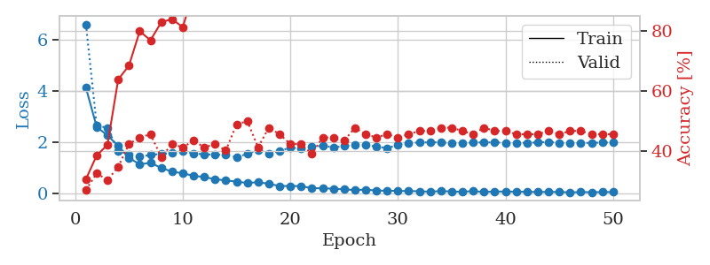
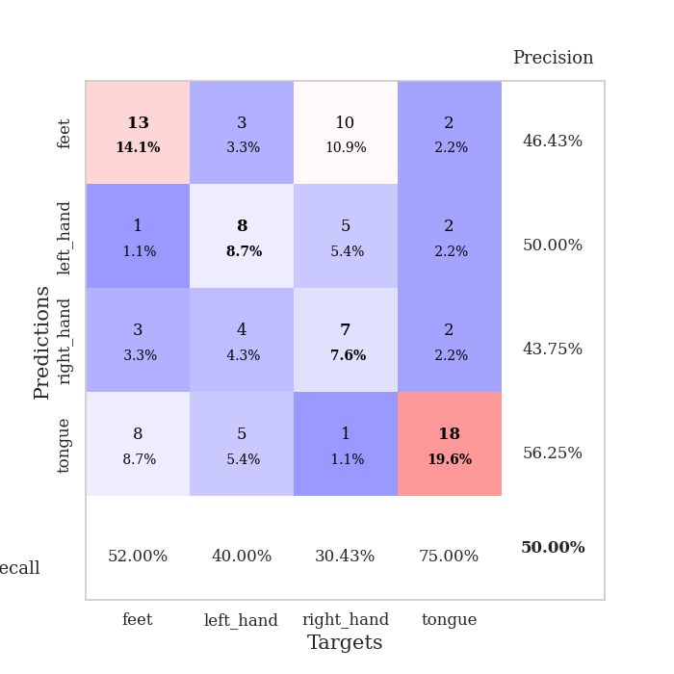
train_loss | valid_loss | train_accuracy | valid_accuracy | dur | train_misclass | valid_misclass
4.1137099059 | 6.5903003734 | 0.30706521739 | 0.27173913043 | 0.11315393448 | 30.706521739 | 27.173913043
2.5861591723 | 2.6525729117 | 0.38586956522 | 0.32608695652 | 0.1096405983 | 38.586956522 | 32.608695652
2.2492443116 | 2.5370657496 | 0.42119565217 | 0.30434782609 | 0.10948514938 | 42.119565217 | 30.434782609
1.8473161874 | 1.6455856976 | 0.63858695652 | 0.34782608696 | 0.10758709908 | 63.858695652 | 34.782608696
1.3802296156 | 1.5166128667 | 0.6847826087 | 0.42391304348 | 0.11121511459 | 68.47826087 | 42.391304348
1.1188137039 | 1.4213783689 | 0.79891304348 | 0.44565217391 | 0.10917949677 | 79.891304348 | 44.565217391
1.185629605 | 1.4883145301 | 0.76902173913 | 0.45652173913 | 0.11168813705 | 76.902173913 | 45.652173913
0.98051226917 | 1.5322898989 | 0.82880434783 | 0.38043478261 | 0.10758829117 | 82.880434783 | 38.043478261
0.83973933173 | 1.5591923102 | 0.83967391304 | 0.42391304348 | 0.10713481903 | 83.967391304 | 42.391304348
0.77201598494 | 1.644947109 | 0.8125 | 0.41304347826 | 0.10537576675 | 81.25 | 41.304347826
0.67632914626 | 1.5443432798 | 0.92934782609 | 0.4347826087 | 0.11032819748 | 92.934782609 | 43.47826087
0.62632953214 | 1.5182705392 | 0.95108695652 | 0.41304347826 | 0.10640144348 | 95.108695652 | 41.304347826
0.54130450021 | 1.4962969189 | 0.9402173913 | 0.42391304348 | 0.11432147026 | 94.02173913 | 42.391304348
0.49653436956 | 1.493385771 | 0.97554347826 | 0.40217391304 | 0.11069869995 | 97.554347826 | 40.217391304
0.44717372695 | 1.3962330663 | 0.98641304348 | 0.48913043478 | 0.10778880119 | 98.641304348 | 48.913043478
0.39558145177 | 1.5375551089 | 0.99456521739 | 0.5 | 0.10708808899 | 99.456521739 | 50
0.42618575563 | 1.6708044021 | 0.98913043478 | 0.41304347826 | 0.10674095154 | 98.913043478 | 41.304347826
0.36080547779 | 1.5463911554 | 1 | 0.47826086957 | 0.10745382309 | 100 | 47.826086957
0.27794493767 | 1.6337595141 | 1 | 0.45652173913 | 0.10216999054 | 100 | 45.652173913
0.27467952021 | 1.7841267378 | 1 | 0.42391304348 | 0.11220550537 | 100 | 42.391304348
0.27412796506 | 1.7328989039 | 0.9972826087 | 0.42391304348 | 0.10246896744 | 99.72826087 | 42.391304348
0.1924821932 | 1.8054884413 | 1 | 0.39130434783 | 0.1077568531 | 100 | 39.130434783
0.18612815407 | 1.8496909142 | 1 | 0.44565217391 | 0.10838723183 | 100 | 44.565217391
0.1707811963 | 1.785824672 | 1 | 0.44565217391 | 0.11024904251 | 100 | 44.565217391
0.14923457558 | 1.8324901436 | 1 | 0.4347826087 | 0.10519814491 | 100 | 43.47826087
0.1155258307 | 1.8661455382 | 1 | 0.47826086957 | 0.10827898979 | 100 | 47.826086957
0.14035152765 | 1.8734566751 | 1 | 0.45652173913 | 0.10999846458 | 100 | 45.652173913
0.094290142312 | 1.8142597002 | 1 | 0.44565217391 | 0.10694289207 | 100 | 44.565217391
0.094868342757 | 1.7588184191 | 1 | 0.45652173913 | 0.10868215561 | 100 | 45.652173913
0.082055084286 | 1.8819557998 | 1 | 0.44565217391 | 0.11014604568 | 100 | 44.565217391
0.081193000868 | 1.9676992582 | 1 | 0.45652173913 | 0.11354994774 | 100 | 45.652173913
0.06973135771 | 1.969200269 | 1 | 0.46739130435 | 0.10632061958 | 100 | 46.739130435
0.054557823778 | 1.9882377645 | 1 | 0.46739130435 | 0.1099588871 | 100 | 46.739130435
0.078597057692 | 1.9763000011 | 1 | 0.47826086957 | 0.11130952835 | 100 | 47.826086957
0.061869619374 | 1.957774691 | 1 | 0.47826086957 | 0.10132932663 | 100 | 47.826086957
0.050539546525 | 1.9402697086 | 1 | 0.46739130435 | 0.11157298088 | 100 | 46.739130435
0.07946549931 | 1.9748833698 | 1 | 0.45652173913 | 0.1121737957 | 100 | 45.652173913
0.04046442959 | 1.9788152135 | 1 | 0.47826086957 | 0.10948133469 | 100 | 47.826086957
0.064271723285 | 1.9786416862 | 1 | 0.46739130435 | 0.10620880127 | 100 | 46.739130435
0.056109404353 | 1.961758541 | 1 | 0.46739130435 | 0.11314153671 | 100 | 46.739130435
0.057407642958 | 1.9648362139 | 1 | 0.45652173913 | 0.1091427803 | 100 | 45.652173913
0.047105783759 | 1.9625993915 | 1 | 0.45652173913 | 0.1080622673 | 100 | 45.652173913
0.044524170053 | 1.9764744613 | 1 | 0.45652173913 | 0.10931253433 | 100 | 45.652173913
0.045564540925 | 1.9989308171 | 1 | 0.46739130435 | 0.1064646244 | 100 | 46.739130435
0.042674718141 | 1.9617001596 | 1 | 0.45652173913 | 0.11002326012 | 100 | 45.652173913
0.029145473999 | 1.9557826726 | 1 | 0.46739130435 | 0.11163640022 | 100 | 46.739130435
0.038270329328 | 1.9579497109 | 1 | 0.46739130435 | 0.1088654995 | 100 | 46.739130435
0.036394590249 | 1.9607791071 | 1 | 0.45652173913 | 0.11466813087 | 100 | 45.652173913
0.039224510203 | 1.973388392 | 1 | 0.45652173913 | 0.11081695557 | 100 | 45.652173913
0.043188867665 | 1.9776327403 | 1 | 0.45652173913 | 0.10971736908 | 100 | 45.652173913

Best Val accuracy is 0.5 and Best test accuracy is 0.4224137931034483

