Sheet
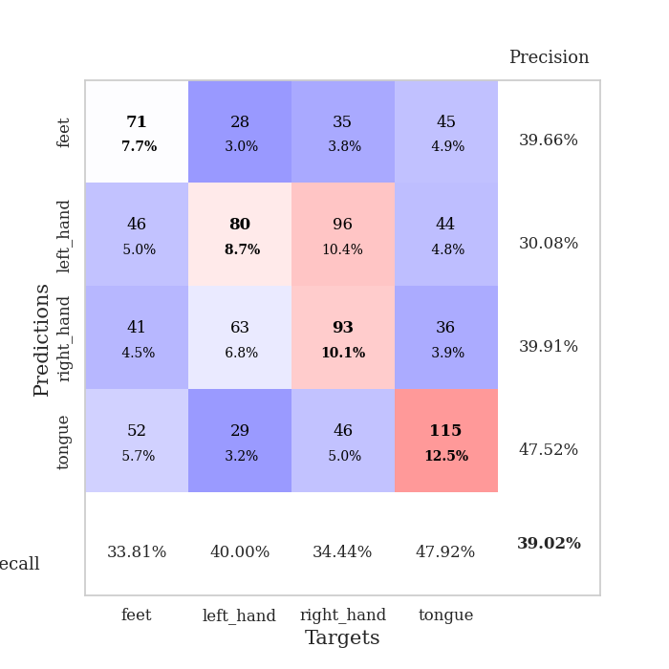
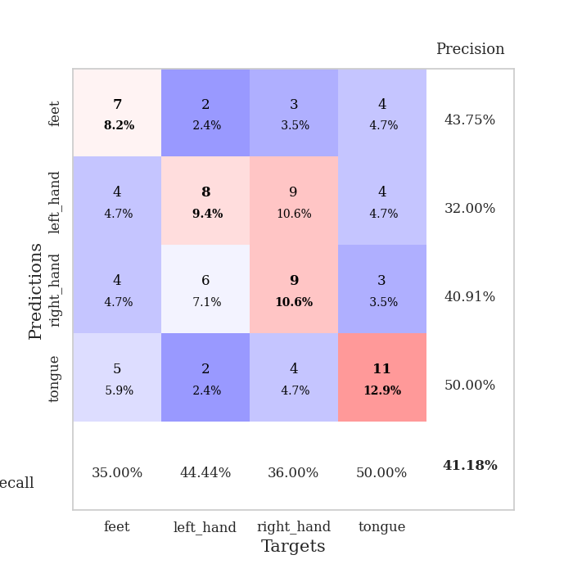
best_val_acc | best_val_los | best_test_acc
0.35869565217 | 1.6020592866 | 0.35344827586
0.4347826087 | 1.4806311649 | 0.4224137931
0.40217391304 | 1.476067232 | 0.38793103448
0.38043478261 | 1.4971937252 | 0.37068965517
0.40217391304 | 1.5060360794 | 0.37068965517
0.41304347826 | 1.4911382561 | 0.34482758621
0.40217391304 | 1.5092090057 | 0.31034482759
0.40217391304 | 1.3702729526 | 0.43103448276
0.38043478261 | 1.4604153892 | 0.31034482759
0.32608695652 | 1.6116233027 | 0.3275862069

Mean,std Val accuracy is 0.3902173913043479 , 0.030508020920320122 and mean, std test accuracy is 0.3629310344827586 , 0.04232047485735716

Sheet1
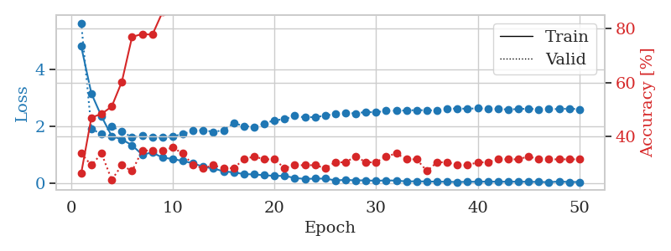
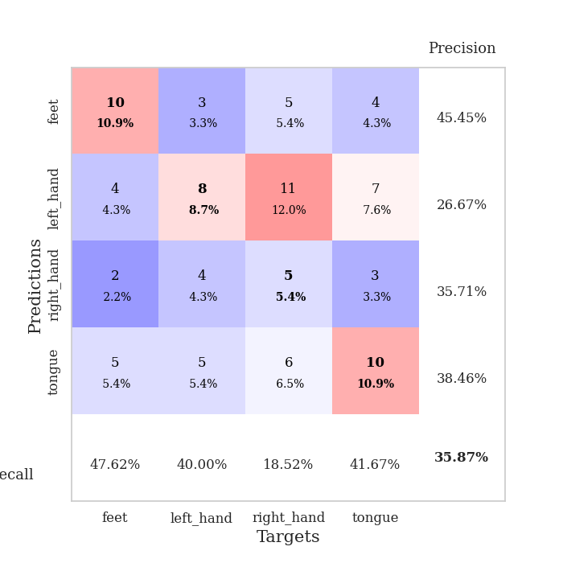
train_loss | valid_loss | train_accuracy | valid_accuracy | dur | train_misclass | valid_misclass
4.8126593154 | 5.6378038241 | 0.26358695652 | 0.33695652174 | 0.10999798775 | 26.358695652 | 33.695652174
3.1547034979 | 1.9077813003 | 0.47010869565 | 0.29347826087 | 0.10705828667 | 47.010869565 | 29.347826087
2.3423131808 | 1.7175889533 | 0.48369565217 | 0.33695652174 | 0.10841703415 | 48.369565217 | 33.695652174
1.6500427904 | 1.9896334151 | 0.51086956522 | 0.23913043478 | 0.12096691132 | 51.086956522 | 23.913043478
1.5351070762 | 1.8166239365 | 0.60326086957 | 0.29347826087 | 0.10678887367 | 60.326086957 | 29.347826087
1.3270012866 | 1.6057849241 | 0.76902173913 | 0.27173913043 | 0.11111664772 | 76.902173913 | 27.173913043
0.99729154939 | 1.6570338011 | 0.77989130435 | 0.34782608696 | 0.10965442657 | 77.989130435 | 34.782608696
1.0721616538 | 1.6020592866 | 0.77717391304 | 0.34782608696 | 0.10553836823 | 77.717391304 | 34.782608696
0.89078068733 | 1.6035788215 | 0.86141304348 | 0.34782608696 | 0.10856676102 | 86.141304348 | 34.782608696
0.84630840239 | 1.6400964001 | 0.9347826087 | 0.35869565217 | 0.10786795616 | 93.47826087 | 35.869565217
0.77073782294 | 1.7227348348 | 0.93206521739 | 0.33695652174 | 0.11831188202 | 93.206521739 | 33.695652174
0.69424993642 | 1.8418994676 | 0.96195652174 | 0.29347826087 | 0.10321784019 | 96.195652174 | 29.347826087
0.56738000201 | 1.8607930411 | 0.97282608696 | 0.28260869565 | 0.10970783234 | 97.282608696 | 28.260869565
0.51148894688 | 1.8013197028 | 0.98369565217 | 0.29347826087 | 0.10879540443 | 98.369565217 | 29.347826087
0.40719458007 | 1.8555424524 | 0.98913043478 | 0.28260869565 | 0.10651922226 | 98.913043478 | 28.260869565
0.37176852447 | 2.1106252152 | 0.99184782609 | 0.28260869565 | 0.1128180027 | 99.184782609 | 28.260869565
0.31126218386 | 2.0062214551 | 0.99456521739 | 0.3152173913 | 0.11275458336 | 99.456521739 | 31.52173913
0.29951214855 | 1.9772407076 | 1 | 0.32608695652 | 0.10945796967 | 100 | 32.608695652
0.27158297858 | 2.0923639899 | 0.9972826087 | 0.3152173913 | 0.10876202583 | 99.72826087 | 31.52173913
0.24749191462 | 2.2084659493 | 1 | 0.3152173913 | 0.10773468018 | 100 | 31.52173913
0.24988665043 | 2.2474387729 | 1 | 0.28260869565 | 0.11067390442 | 100 | 28.260869565
0.17400063995 | 2.3663177179 | 0.9972826087 | 0.29347826087 | 0.11285662651 | 99.72826087 | 29.347826087
0.14114648266 | 2.3078868389 | 1 | 0.29347826087 | 0.10631036758 | 100 | 29.347826087
0.15144086338 | 2.3246212939 | 1 | 0.29347826087 | 0.11139822006 | 100 | 29.347826087
0.15180941282 | 2.3667856403 | 1 | 0.28260869565 | 0.11267638206 | 100 | 28.260869565
0.089873609821 | 2.4417569741 | 1 | 0.30434782609 | 0.10719227791 | 100 | 30.434782609
0.10713924597 | 2.4650957895 | 1 | 0.30434782609 | 0.11290621758 | 100 | 30.434782609
0.090074115473 | 2.4517576694 | 1 | 0.32608695652 | 0.11086773872 | 100 | 32.608695652
0.091805483174 | 2.5029661966 | 1 | 0.30434782609 | 0.11250901222 | 100 | 30.434782609
0.07526304427 | 2.4885880118 | 1 | 0.30434782609 | 0.1117374897 | 100 | 30.434782609
0.090398964108 | 2.5444282863 | 1 | 0.32608695652 | 0.10178565979 | 100 | 32.608695652
0.081057729928 | 2.5484154432 | 1 | 0.33695652174 | 0.11065173149 | 100 | 33.695652174
0.053571837792 | 2.5544128625 | 1 | 0.3152173913 | 0.10025882721 | 100 | 31.52173913
0.058046711244 | 2.5688634644 | 1 | 0.3152173913 | 0.11202383041 | 100 | 31.52173913
0.049343240508 | 2.559798987 | 1 | 0.27173913043 | 0.10861420631 | 100 | 27.173913043
0.045179237895 | 2.5582695111 | 1 | 0.30434782609 | 0.10921168327 | 100 | 30.434782609
0.04045866033 | 2.6062275949 | 1 | 0.30434782609 | 0.10132837296 | 100 | 30.434782609
0.032125621913 | 2.6288495789 | 1 | 0.29347826087 | 0.099634408951 | 100 | 29.347826087
0.040230147945 | 2.6109631994 | 1 | 0.29347826087 | 0.10357499123 | 100 | 29.347826087
0.041212483714 | 2.6356408803 | 1 | 0.30434782609 | 0.10655856133 | 100 | 30.434782609
0.047369950228 | 2.602641541 | 1 | 0.30434782609 | 0.10997319221 | 100 | 30.434782609
0.041943141138 | 2.6113984792 | 1 | 0.3152173913 | 0.10808372498 | 100 | 31.52173913
0.043684498528 | 2.5858404014 | 1 | 0.3152173913 | 0.10484099388 | 100 | 31.52173913
0.043466223161 | 2.6077417187 | 1 | 0.3152173913 | 0.1035091877 | 100 | 31.52173913
0.040860461334 | 2.6148025057 | 1 | 0.32608695652 | 0.10487961769 | 100 | 32.608695652
0.034910963241 | 2.596360528 | 1 | 0.3152173913 | 0.11159753799 | 100 | 31.52173913
0.025981321789 | 2.6015734569 | 1 | 0.3152173913 | 0.11424994469 | 100 | 31.52173913
0.049095345074 | 2.6059984746 | 1 | 0.3152173913 | 0.10836243629 | 100 | 31.52173913
0.032717212812 | 2.6205101117 | 1 | 0.3152173913 | 0.10881018639 | 100 | 31.52173913
0.0327142639 | 2.5980068082 | 1 | 0.3152173913 | 0.11056756973 | 100 | 31.52173913

Best Val accuracy is 0.358695652173913 and Best test accuracy is 0.35344827586206895

Sheet2
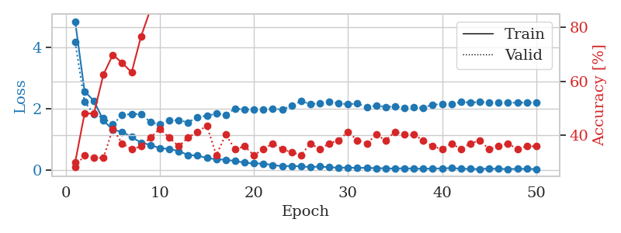
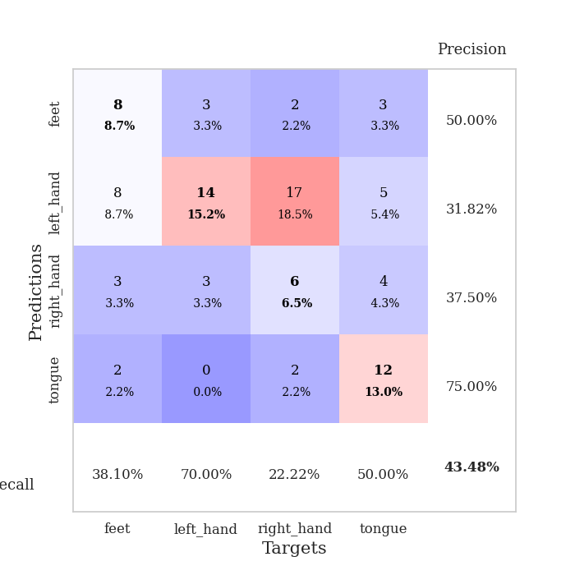
train_loss | valid_loss | train_accuracy | valid_accuracy | dur | train_misclass | valid_misclass
4.8419795555 | 4.1632434493 | 0.29891304348 | 0.28260869565 | 0.11490440369 | 29.891304348 | 28.260869565
2.5617394603 | 2.2222197989 | 0.48097826087 | 0.32608695652 | 0.10961890221 | 48.097826087 | 32.608695652
2.2462480224 | 1.8146211583 | 0.48097826087 | 0.3152173913 | 0.10540270805 | 48.097826087 | 31.52173913
1.6145314082 | 1.6969467816 | 0.625 | 0.3152173913 | 0.10867404938 | 62.5 | 31.52173913
1.3045800976 | 1.4846176013 | 0.69836956522 | 0.42391304348 | 0.10912251472 | 69.836956522 | 42.391304348
1.2390361351 | 1.7880135878 | 0.66847826087 | 0.36956521739 | 0.10371565819 | 66.847826087 | 36.956521739
1.0694119438 | 1.8205646121 | 0.63315217391 | 0.34782608696 | 0.10151863098 | 63.315217391 | 34.782608696
0.88848784955 | 1.8237525536 | 0.76630434783 | 0.35869565217 | 0.10776114464 | 76.630434783 | 35.869565217
0.81162021212 | 1.5541228626 | 0.86684782609 | 0.39130434783 | 0.10857200623 | 86.684782609 | 39.130434783
0.70690845925 | 1.4806311649 | 0.91304347826 | 0.42391304348 | 0.10524201393 | 91.304347826 | 42.391304348
0.68276308153 | 1.6044661895 | 0.95923913043 | 0.39130434783 | 0.10718822479 | 95.923913043 | 39.130434783
0.61254290265 | 1.6222930006 | 0.95652173913 | 0.35869565217 | 0.11190629005 | 95.652173913 | 35.869565217
0.4843590875 | 1.5486898215 | 0.98913043478 | 0.39130434783 | 0.10904955864 | 98.913043478 | 39.130434783
0.46141213373 | 1.7251765521 | 0.97554347826 | 0.41304347826 | 0.11057281494 | 97.554347826 | 41.304347826
0.39042039604 | 1.7574302373 | 0.99456521739 | 0.4347826087 | 0.11352157593 | 99.456521739 | 43.47826087
0.34286598926 | 1.838684279 | 0.97282608696 | 0.32608695652 | 0.11025691032 | 97.282608696 | 32.608695652
0.33236079922 | 1.7929925245 | 0.9972826087 | 0.40217391304 | 0.10361814499 | 99.72826087 | 40.217391304
0.28668260445 | 2.00011923 | 0.98913043478 | 0.34782608696 | 0.10528373718 | 98.913043478 | 34.782608696
0.23570622439 | 1.9607528966 | 0.9972826087 | 0.35869565217 | 0.10627388954 | 99.72826087 | 35.869565217
0.20830653932 | 1.9794350966 | 1 | 0.32608695652 | 0.10621833801 | 100 | 32.608695652
0.20460440154 | 1.9619323844 | 1 | 0.34782608696 | 0.10288786888 | 100 | 34.782608696
0.15667472909 | 1.9837007989 | 0.9972826087 | 0.36956521739 | 0.10879445076 | 99.72826087 | 36.956521739
0.11880907497 | 1.9707072714 | 1 | 0.34782608696 | 0.10664534569 | 100 | 34.782608696
0.12784253539 | 2.0882263598 | 1 | 0.33695652174 | 0.10761928558 | 100 | 33.695652174
0.11346182065 | 2.2431731431 | 1 | 0.32608695652 | 0.11394190788 | 100 | 32.608695652
0.091565566461 | 2.1443596923 | 1 | 0.36956521739 | 0.11065030098 | 100 | 36.956521739
0.10844892984 | 2.168865888 | 1 | 0.34782608696 | 0.11050248146 | 100 | 34.782608696
0.083391181112 | 2.2283846295 | 1 | 0.36956521739 | 0.10988950729 | 100 | 36.956521739
0.070988020171 | 2.1679105551 | 1 | 0.38043478261 | 0.11268115044 | 100 | 38.043478261
0.073546866117 | 2.1393554522 | 1 | 0.41304347826 | 0.10933923721 | 100 | 41.304347826
0.064260395102 | 2.1619487586 | 1 | 0.38043478261 | 0.10632276535 | 100 | 38.043478261
0.066396771606 | 2.0421174505 | 1 | 0.36956521739 | 0.11022520065 | 100 | 36.956521739
0.05498443139 | 2.0973076665 | 1 | 0.40217391304 | 0.10874962807 | 100 | 40.217391304
0.051091347538 | 2.0522546613 | 1 | 0.38043478261 | 0.10591983795 | 100 | 38.043478261
0.041713736283 | 2.0654282363 | 1 | 0.41304347826 | 0.11076259613 | 100 | 41.304347826
0.053671028546 | 2.0166003652 | 1 | 0.40217391304 | 0.11083865166 | 100 | 40.217391304
0.039583306841 | 2.03788989 | 1 | 0.40217391304 | 0.11191987991 | 100 | 40.217391304
0.03615464343 | 2.0257467757 | 1 | 0.38043478261 | 0.1054213047 | 100 | 38.043478261
0.043590019012 | 2.1313046061 | 1 | 0.35869565217 | 0.10909152031 | 100 | 35.869565217
0.04786331818 | 2.1363457856 | 1 | 0.34782608696 | 0.10658478737 | 100 | 34.782608696
0.059122559291 | 2.1521818793 | 1 | 0.36956521739 | 0.10624551773 | 100 | 36.956521739
0.037556096466 | 2.2091354495 | 1 | 0.34782608696 | 0.10632491112 | 100 | 34.782608696
0.031163793968 | 2.1962023922 | 1 | 0.36956521739 | 0.10633111 | 100 | 36.956521739
0.026472838596 | 2.2092040103 | 1 | 0.38043478261 | 0.10528278351 | 100 | 38.043478261
0.04537116396 | 2.1999357265 | 1 | 0.34782608696 | 0.10841965675 | 100 | 34.782608696
0.032167118124 | 2.1998348651 | 1 | 0.35869565217 | 0.10942959785 | 100 | 35.869565217
0.030285686416 | 2.1935165032 | 1 | 0.36956521739 | 0.10982084274 | 100 | 36.956521739
0.031397779715 | 2.1895749051 | 1 | 0.34782608696 | 0.11638665199 | 100 | 34.782608696
0.035920975568 | 2.1983263959 | 1 | 0.35869565217 | 0.11118793488 | 100 | 35.869565217
0.02427001011 | 2.1938036888 | 1 | 0.35869565217 | 0.10622024536 | 100 | 35.869565217

Best Val accuracy is 0.43478260869565216 and Best test accuracy is 0.4224137931034483

Sheet3
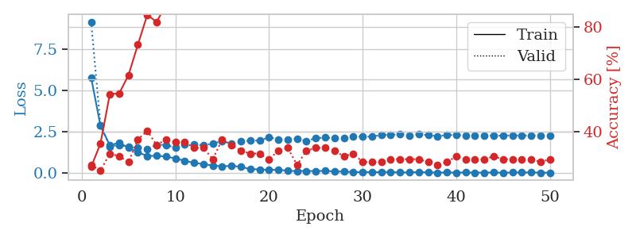
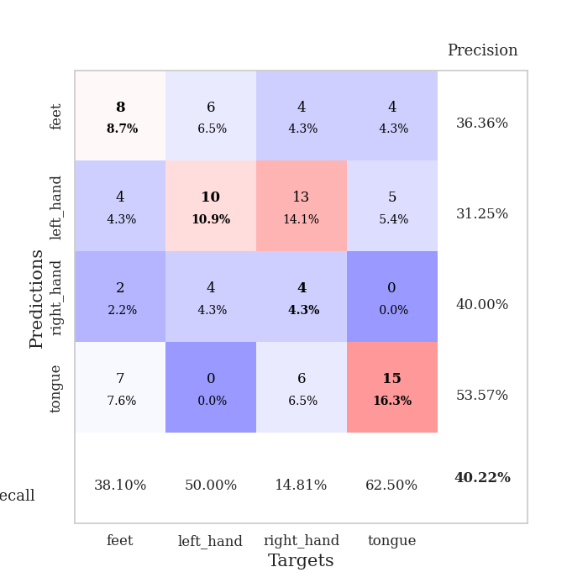
train_loss | valid_loss | train_accuracy | valid_accuracy | dur | train_misclass | valid_misclass
5.8032580614 | 9.1798875021 | 0.26358695652 | 0.27173913043 | 0.11099004745 | 26.358695652 | 27.173913043
2.8765001608 | 2.9181566757 | 0.35326086957 | 0.25 | 0.10434937477 | 35.326086957 | 25
1.688565021 | 1.6135545503 | 0.54347826087 | 0.3152173913 | 0.11093401909 | 54.347826087 | 31.52173913
1.8472402148 | 1.7083020677 | 0.54619565217 | 0.30434782609 | 0.11385822296 | 54.619565217 | 30.434782609
1.5410893378 | 1.5880411915 | 0.61684782609 | 0.28260869565 | 0.1061732769 | 61.684782609 | 28.260869565
1.2669639743 | 1.5556765069 | 0.73369565217 | 0.36956521739 | 0.11205935478 | 73.369565217 | 36.956521739
1.0423444017 | 1.476067232 | 0.84782608696 | 0.40217391304 | 0.10801362991 | 84.782608696 | 40.217391304
1.0561979309 | 1.7124694067 | 0.82065217391 | 0.34782608696 | 0.11192250252 | 82.065217391 | 34.782608696
1.007952396 | 1.7206138683 | 0.88586956522 | 0.36956521739 | 0.10970211029 | 88.586956522 | 36.956521739
0.89555378582 | 1.5322865611 | 0.88043478261 | 0.35869565217 | 0.10861945152 | 88.043478261 | 35.869565217
0.75213367524 | 1.7622099286 | 0.88586956522 | 0.35869565217 | 0.10883545876 | 88.586956522 | 35.869565217
0.62459356629 | 1.7368687599 | 0.94565217391 | 0.33695652174 | 0.11093783379 | 94.565217391 | 33.695652174
0.54817570033 | 1.6765294438 | 0.98097826087 | 0.33695652174 | 0.11338734627 | 98.097826087 | 33.695652174
0.46111330455 | 1.8104688966 | 0.98097826087 | 0.29347826087 | 0.11070084572 | 98.097826087 | 29.347826087
0.41369742803 | 1.9354532698 | 0.99456521739 | 0.36956521739 | 0.11388587952 | 99.456521739 | 36.956521739
0.44635152104 | 1.7858032817 | 0.99456521739 | 0.34782608696 | 0.11136245728 | 99.456521739 | 34.782608696
0.38090114879 | 1.92926085 | 1 | 0.32608695652 | 0.11337089539 | 100 | 32.608695652
0.25206803304 | 1.9733829654 | 0.9972826087 | 0.3152173913 | 0.10918188095 | 99.72826087 | 31.52173913
0.22669534612 | 1.9747055043 | 1 | 0.3152173913 | 0.11278963089 | 100 | 31.52173913
0.18928943639 | 2.1833762812 | 1 | 0.29347826087 | 0.10286188126 | 100 | 29.347826087
0.21423874585 | 2.042390077 | 1 | 0.32608695652 | 0.10848450661 | 100 | 32.608695652
0.13640450217 | 2.0504691653 | 1 | 0.33695652174 | 0.10902523994 | 100 | 33.695652174
0.12936644758 | 2.0881105661 | 1 | 0.27173913043 | 0.10849022865 | 100 | 27.173913043
0.13254614579 | 1.950348455 | 1 | 0.32608695652 | 0.10658979416 | 100 | 32.608695652
0.12422974821 | 2.1216748227 | 1 | 0.33695652174 | 0.11313176155 | 100 | 33.695652174
0.1406739478 | 2.1596278781 | 1 | 0.33695652174 | 0.11240935326 | 100 | 33.695652174
0.10517291279 | 2.1140104791 | 1 | 0.32608695652 | 0.11352324486 | 100 | 32.608695652
0.092134602206 | 2.1232269795 | 1 | 0.30434782609 | 0.111733675 | 100 | 30.434782609
0.066594276901 | 2.2322970888 | 1 | 0.3152173913 | 0.11632275581 | 100 | 31.52173913
0.06516811284 | 2.2207189021 | 1 | 0.28260869565 | 0.10941576958 | 100 | 28.260869565
0.059579772429 | 2.210278708 | 1 | 0.28260869565 | 0.10757946968 | 100 | 28.260869565
0.064551331386 | 2.3282095557 | 1 | 0.28260869565 | 0.10544061661 | 100 | 28.260869565
0.070697977653 | 2.3128478216 | 1 | 0.29347826087 | 0.10401058197 | 100 | 29.347826087
0.039736722191 | 2.3757407354 | 1 | 0.29347826087 | 0.10801076889 | 100 | 29.347826087
0.046262771863 | 2.2905389537 | 1 | 0.29347826087 | 0.10441565514 | 100 | 29.347826087
0.066402340753 | 2.3543598134 | 1 | 0.29347826087 | 0.11126232147 | 100 | 29.347826087
0.044919042646 | 2.3054889596 | 1 | 0.28260869565 | 0.10887670517 | 100 | 28.260869565
0.034204783202 | 2.2477008415 | 1 | 0.27173913043 | 0.10960626602 | 100 | 27.173913043
0.044790544507 | 2.3046950672 | 1 | 0.28260869565 | 0.10233020782 | 100 | 28.260869565
0.034547833645 | 2.3267542331 | 1 | 0.30434782609 | 0.10948801041 | 100 | 30.434782609
0.039710730881 | 2.2828578949 | 1 | 0.29347826087 | 0.11266732216 | 100 | 29.347826087
0.034298950341 | 2.277629562 | 1 | 0.29347826087 | 0.10676550865 | 100 | 29.347826087
0.033140632516 | 2.2781997815 | 1 | 0.29347826087 | 0.10700082779 | 100 | 29.347826087
0.041846354036 | 2.2836997043 | 1 | 0.30434782609 | 0.11032629013 | 100 | 30.434782609
0.024890741576 | 2.2685068587 | 1 | 0.29347826087 | 0.11270928383 | 100 | 29.347826087
0.038534479297 | 2.2921864105 | 1 | 0.29347826087 | 0.10943508148 | 100 | 29.347826087
0.042336978585 | 2.2879301102 | 1 | 0.29347826087 | 0.10479545593 | 100 | 29.347826087
0.047330135682 | 2.2800348375 | 1 | 0.29347826087 | 0.10470914841 | 100 | 29.347826087
0.030953843207 | 2.2852526333 | 1 | 0.28260869565 | 0.10974764824 | 100 | 28.260869565
0.029259825976 | 2.2919604882 | 1 | 0.29347826087 | 0.11257767677 | 100 | 29.347826087

Best Val accuracy is 0.40217391304347827 and Best test accuracy is 0.3879310344827586

Sheet4
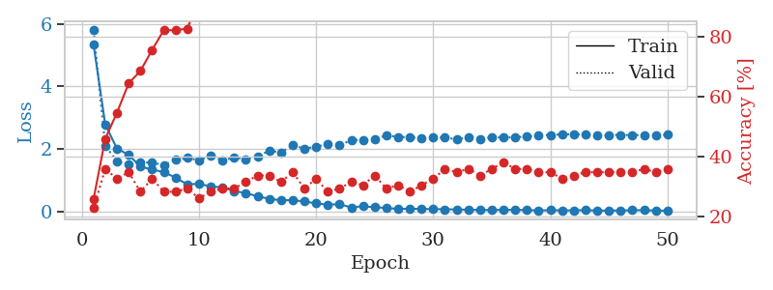
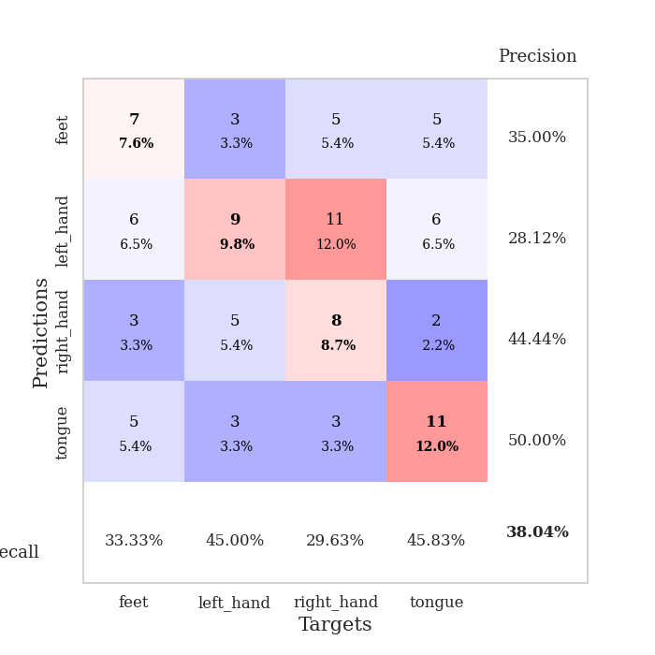
train_loss | valid_loss | train_accuracy | valid_accuracy | dur | train_misclass | valid_misclass
5.3384830744 | 5.7906297808 | 0.25815217391 | 0.22826086957 | 0.11066675186 | 25.815217391 | 22.826086957
2.783801877 | 2.1124656771 | 0.45923913043 | 0.35869565217 | 0.11134076118 | 45.923913043 | 35.869565217
2.0176301624 | 1.6038776688 | 0.54619565217 | 0.32608695652 | 0.10592222214 | 54.619565217 | 32.608695652
1.8196563462 | 1.5080465648 | 0.64402173913 | 0.34782608696 | 0.10879993439 | 64.402173913 | 34.782608696
1.4445807364 | 1.5890114826 | 0.6847826087 | 0.28260869565 | 0.11235141754 | 68.47826087 | 28.260869565
1.3488662347 | 1.5646959232 | 0.75543478261 | 0.32608695652 | 0.10679316521 | 75.543478261 | 32.608695652
1.2673665 | 1.4971937252 | 0.82065217391 | 0.28260869565 | 0.1141500473 | 82.065217391 | 28.260869565
1.0914087632 | 1.6560919388 | 0.82065217391 | 0.28260869565 | 0.10619473457 | 82.065217391 | 28.260869565
0.87367117923 | 1.7160162356 | 0.82608695652 | 0.29347826087 | 0.1036221981 | 82.608695652 | 29.347826087
0.89723754966 | 1.648067407 | 0.92119565217 | 0.26086956522 | 0.11347985268 | 92.119565217 | 26.086956522
0.80804473939 | 1.7922464868 | 0.90217391304 | 0.28260869565 | 0.1118915081 | 90.217391304 | 28.260869565
0.78099118756 | 1.6413855708 | 0.96467391304 | 0.29347826087 | 0.11515188217 | 96.467391304 | 29.347826087
0.66269514224 | 1.730826466 | 0.97554347826 | 0.29347826087 | 0.10535359383 | 97.554347826 | 29.347826087
0.60005857374 | 1.6832861019 | 0.99184782609 | 0.3152173913 | 0.11200213432 | 99.184782609 | 31.52173913
0.49394012145 | 1.7751713266 | 0.9972826087 | 0.33695652174 | 0.10936784744 | 99.72826087 | 33.695652174
0.41700631769 | 1.94607503 | 0.98913043478 | 0.33695652174 | 0.11064434052 | 98.913043478 | 33.695652174
0.36626764938 | 1.8986464324 | 0.9972826087 | 0.3152173913 | 0.11034464836 | 99.72826087 | 31.52173913
0.37281246807 | 2.1186738325 | 0.99184782609 | 0.34782608696 | 0.10859799385 | 99.184782609 | 34.782608696
0.32836210857 | 2.0235286485 | 1 | 0.29347826087 | 0.11352539062 | 100 | 29.347826087
0.27016614021 | 2.069276592 | 1 | 0.32608695652 | 0.10929894447 | 100 | 32.608695652
0.22729945636 | 2.1761483628 | 0.9972826087 | 0.28260869565 | 0.11584877968 | 99.72826087 | 28.260869565
0.24332226424 | 2.1264264584 | 1 | 0.29347826087 | 0.10456562042 | 100 | 29.347826087
0.13816983447 | 2.2843787152 | 1 | 0.3152173913 | 0.1081032753 | 100 | 31.52173913
0.17961400245 | 2.3010164966 | 1 | 0.30434782609 | 0.10946249962 | 100 | 30.434782609
0.14339803475 | 2.3038023036 | 1 | 0.33695652174 | 0.1067943573 | 100 | 33.695652174
0.12345756833 | 2.443399533 | 1 | 0.29347826087 | 0.11335659027 | 100 | 29.347826087
0.090405069777 | 2.3841326962 | 1 | 0.30434782609 | 0.1070394516 | 100 | 30.434782609
0.099631060725 | 2.3924990115 | 1 | 0.28260869565 | 0.10986304283 | 100 | 28.260869565
0.089346889852 | 2.3348257542 | 1 | 0.30434782609 | 0.108335495 | 100 | 30.434782609
0.086088369884 | 2.3642516343 | 1 | 0.32608695652 | 0.10763835907 | 100 | 32.608695652
0.080239551061 | 2.3749621225 | 1 | 0.35869565217 | 0.11238026619 | 100 | 35.869565217
0.075404323718 | 2.3103888242 | 1 | 0.34782608696 | 0.11229920387 | 100 | 34.782608696
0.06365448694 | 2.3797960074 | 1 | 0.35869565217 | 0.10861468315 | 100 | 35.869565217
0.058730804564 | 2.3321885959 | 1 | 0.33695652174 | 0.11078333855 | 100 | 33.695652174
0.05665195134 | 2.3854215249 | 1 | 0.35869565217 | 0.11209654808 | 100 | 35.869565217
0.062143298878 | 2.366767365 | 1 | 0.38043478261 | 0.11024045944 | 100 | 38.043478261
0.064202576228 | 2.3818194244 | 1 | 0.35869565217 | 0.11035466194 | 100 | 35.869565217
0.055342104326 | 2.3977348493 | 1 | 0.35869565217 | 0.10637950897 | 100 | 35.869565217
0.043321040054 | 2.4372621308 | 1 | 0.34782608696 | 0.11265587807 | 100 | 34.782608696
0.049687889567 | 2.4529921698 | 1 | 0.34782608696 | 0.10685658455 | 100 | 34.782608696
0.047509363205 | 2.4731406751 | 1 | 0.32608695652 | 0.10837340355 | 100 | 32.608695652
0.043953869087 | 2.4736044822 | 1 | 0.33695652174 | 0.1055765152 | 100 | 33.695652174
0.056963579486 | 2.4643371002 | 1 | 0.34782608696 | 0.10565662384 | 100 | 34.782608696
0.036601439928 | 2.4425049968 | 1 | 0.34782608696 | 0.11006164551 | 100 | 34.782608696
0.042838408855 | 2.4536268607 | 1 | 0.34782608696 | 0.11437797546 | 100 | 34.782608696
0.03899938925 | 2.4549500942 | 1 | 0.34782608696 | 0.10919857025 | 100 | 34.782608696
0.05410745995 | 2.4479136363 | 1 | 0.34782608696 | 0.10382914543 | 100 | 34.782608696
0.051360369498 | 2.4532373988 | 1 | 0.35869565217 | 0.10906195641 | 100 | 35.869565217
0.038125742672 | 2.4432886476 | 1 | 0.34782608696 | 0.10973954201 | 100 | 34.782608696
0.036276824084 | 2.4576019619 | 1 | 0.35869565217 | 0.11066269875 | 100 | 35.869565217

Best Val accuracy is 0.3804347826086957 and Best test accuracy is 0.3706896551724138

Sheet5
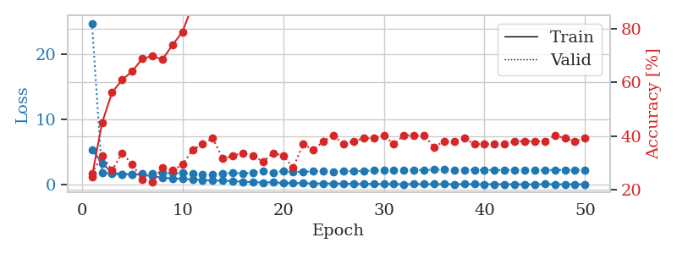
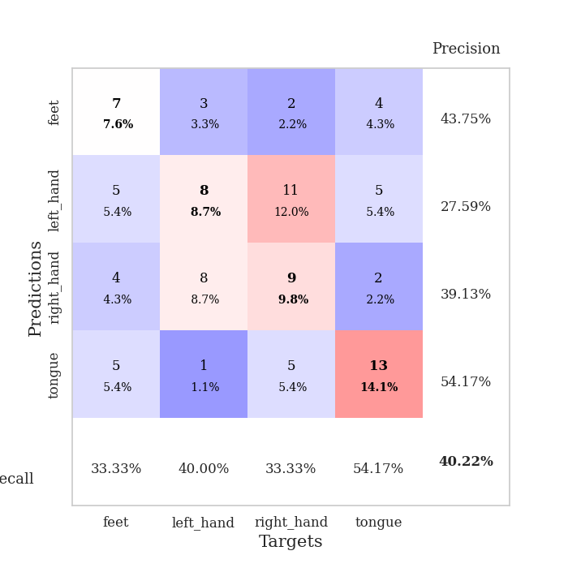
train_loss | valid_loss | train_accuracy | valid_accuracy | dur | train_misclass | valid_misclass
5.3462122731 | 24.730563205 | 0.2472826087 | 0.26086956522 | 0.10842585564 | 24.72826087 | 26.086956522
3.290766405 | 1.8590835177 | 0.44836956522 | 0.32608695652 | 0.10945057869 | 44.836956522 | 32.608695652
1.8132687937 | 1.6167744346 | 0.5625 | 0.27173913043 | 0.11207890511 | 56.25 | 27.173913043
1.6071513269 | 1.5060360794 | 0.60869565217 | 0.33695652174 | 0.11253809929 | 60.869565217 | 33.695652174
1.6126548518 | 1.5498501062 | 0.64130434783 | 0.29347826087 | 0.11264204979 | 64.130434783 | 29.347826087
1.5062629995 | 1.6273487962 | 0.6875 | 0.23913043478 | 0.11048340797 | 68.75 | 23.913043478
1.2666286463 | 1.7332703031 | 0.69836956522 | 0.22826086957 | 0.11005616188 | 69.836956522 | 22.826086957
1.0383877417 | 1.7907408528 | 0.6847826087 | 0.28260869565 | 0.10564947128 | 68.47826087 | 28.260869565
0.95085906205 | 1.7434376841 | 0.73913043478 | 0.27173913043 | 0.1151599884 | 73.913043478 | 27.173913043
0.86476700202 | 1.7495758119 | 0.78804347826 | 0.29347826087 | 0.10907196999 | 78.804347826 | 29.347826087
0.77966729066 | 1.6475795196 | 0.88858695652 | 0.34782608696 | 0.10887384415 | 88.858695652 | 34.782608696
0.69802039603 | 1.5289762331 | 0.94293478261 | 0.36956521739 | 0.1111497879 | 94.293478261 | 36.956521739
0.6029478182 | 1.5342163884 | 0.96739130435 | 0.39130434783 | 0.11887359619 | 96.739130435 | 39.130434783
0.60133005614 | 1.6627863594 | 0.98369565217 | 0.3152173913 | 0.11204195023 | 98.369565217 | 31.52173913
0.50155220343 | 1.7989030403 | 0.95923913043 | 0.32608695652 | 0.10687303543 | 95.923913043 | 32.608695652
0.42796001097 | 1.7112219593 | 0.99184782609 | 0.33695652174 | 0.1094493866 | 99.184782609 | 33.695652174
0.35558009018 | 1.8110535767 | 1 | 0.32608695652 | 0.10884666443 | 100 | 32.608695652
0.30568228856 | 2.0645349855 | 0.97826086957 | 0.30434782609 | 0.10718727112 | 97.826086957 | 30.434782609
0.34314349391 | 1.8708601205 | 0.9972826087 | 0.33695652174 | 0.10392522812 | 99.72826087 | 33.695652174
0.23919022926 | 2.0393048162 | 1 | 0.32608695652 | 0.10830307007 | 100 | 32.608695652
0.23204603338 | 1.9519156166 | 1 | 0.28260869565 | 0.10563278198 | 100 | 28.260869565
0.21039255644 | 1.9620538691 | 0.9972826087 | 0.36956521739 | 0.10716676712 | 99.72826087 | 36.956521739
0.15631452462 | 2.0076988106 | 1 | 0.34782608696 | 0.10433292389 | 100 | 34.782608696
0.16536348734 | 2.0733039586 | 1 | 0.38043478261 | 0.11333918571 | 100 | 38.043478261
0.14699221475 | 1.9803708895 | 1 | 0.40217391304 | 0.10968971252 | 100 | 40.217391304
0.14491472871 | 2.0455660975 | 1 | 0.36956521739 | 0.10571122169 | 100 | 36.956521739
0.097067928023 | 2.066435959 | 1 | 0.38043478261 | 0.10800051689 | 100 | 38.043478261
0.081608552891 | 2.0743270542 | 1 | 0.39130434783 | 0.11005973816 | 100 | 39.130434783
0.10134032725 | 2.1399771545 | 1 | 0.39130434783 | 0.11139822006 | 100 | 39.130434783
0.061785769527 | 2.1589812092 | 1 | 0.40217391304 | 0.10982608795 | 100 | 40.217391304
0.086387256039 | 2.1718183393 | 1 | 0.36956521739 | 0.10889863968 | 100 | 36.956521739
0.04886346035 | 2.2283978773 | 1 | 0.40217391304 | 0.11172556877 | 100 | 40.217391304
0.08043874209 | 2.2184620318 | 1 | 0.40217391304 | 0.1112473011 | 100 | 40.217391304
0.058491089989 | 2.225594759 | 1 | 0.40217391304 | 0.10996437073 | 100 | 40.217391304
0.059024954417 | 2.2634217324 | 1 | 0.35869565217 | 0.10670137405 | 100 | 35.869565217
0.067540842068 | 2.295397489 | 1 | 0.38043478261 | 0.1057100296 | 100 | 38.043478261
0.047949193774 | 2.2563478325 | 1 | 0.38043478261 | 0.10769414902 | 100 | 38.043478261
0.061283318933 | 2.2615988877 | 1 | 0.39130434783 | 0.10853242874 | 100 | 39.130434783
0.057169994987 | 2.2584887691 | 1 | 0.36956521739 | 0.11033892632 | 100 | 36.956521739
0.040827198399 | 2.2353609852 | 1 | 0.36956521739 | 0.10965132713 | 100 | 36.956521739
0.049096459077 | 2.2215771053 | 1 | 0.36956521739 | 0.10926175117 | 100 | 36.956521739
0.0469224834 | 2.2151109239 | 1 | 0.36956521739 | 0.10888123512 | 100 | 36.956521739
0.041236545708 | 2.2226161024 | 1 | 0.38043478261 | 0.1091439724 | 100 | 38.043478261
0.032844106606 | 2.2307172755 | 1 | 0.38043478261 | 0.10695075989 | 100 | 38.043478261
0.031056009861 | 2.2123106977 | 1 | 0.38043478261 | 0.10529208183 | 100 | 38.043478261
0.058180480548 | 2.2156307075 | 1 | 0.38043478261 | 0.11227250099 | 100 | 38.043478261
0.043929143444 | 2.2314332464 | 1 | 0.40217391304 | 0.10924935341 | 100 | 40.217391304
0.023172401074 | 2.2172022384 | 1 | 0.39130434783 | 0.10421586037 | 100 | 39.130434783
0.042709988501 | 2.2187870793 | 1 | 0.38043478261 | 0.11172747612 | 100 | 38.043478261
0.042461553143 | 2.2341527421 | 1 | 0.39130434783 | 0.10963201523 | 100 | 39.130434783

Best Val accuracy is 0.40217391304347827 and Best test accuracy is 0.3706896551724138

Sheet6
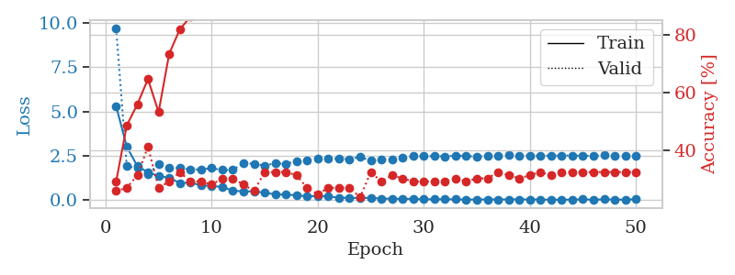
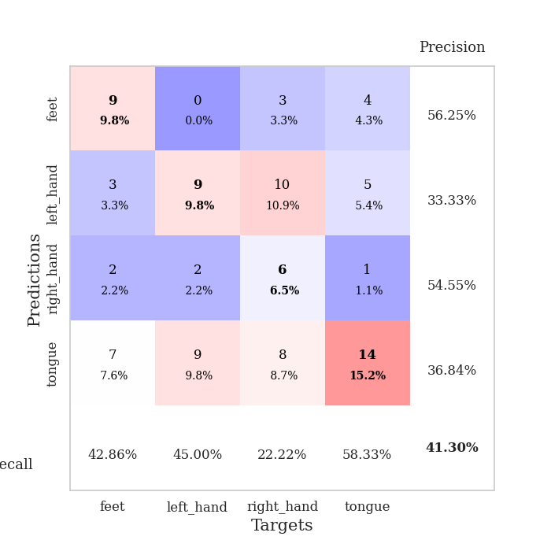
train_loss | valid_loss | train_accuracy | valid_accuracy | dur | train_misclass | valid_misclass
5.2967380026 | 9.6595570315 | 0.29347826087 | 0.26086956522 | 0.10634922981 | 29.347826087 | 26.086956522
3.0145264501 | 1.9147815082 | 0.48641304348 | 0.27173913043 | 0.11002826691 | 48.641304348 | 27.173913043
1.9172531107 | 1.8065506583 | 0.5597826087 | 0.3152173913 | 0.10865259171 | 55.97826087 | 31.52173913
1.5784132558 | 1.4911382561 | 0.64673913043 | 0.41304347826 | 0.10664057732 | 64.673913043 | 41.304347826
1.3583422925 | 2.0092002413 | 0.53260869565 | 0.27173913043 | 0.11452126503 | 53.260869565 | 27.173913043
1.2651940973 | 1.8181929174 | 0.73369565217 | 0.29347826087 | 0.11186981201 | 73.369565217 | 29.347826087
0.97121196726 | 1.8129039122 | 0.81793478261 | 0.32608695652 | 0.10820198059 | 81.793478261 | 32.608695652
0.98416245761 | 1.7354923798 | 0.86141304348 | 0.29347826087 | 0.1087770462 | 86.141304348 | 29.347826087
0.85093549801 | 1.7267548986 | 0.90489130435 | 0.29347826087 | 0.11518335342 | 90.489130435 | 29.347826087
0.78882434575 | 1.8084824293 | 0.88586956522 | 0.28260869565 | 0.11205148697 | 88.586956522 | 28.260869565
0.75534328948 | 1.6989052348 | 0.97010869565 | 0.30434782609 | 0.10658621788 | 97.010869565 | 30.434782609
0.52993526277 | 1.7172030573 | 0.98641304348 | 0.30434782609 | 0.10761785507 | 98.641304348 | 30.434782609
0.5007574947 | 2.0786834592 | 0.95380434783 | 0.28260869565 | 0.1167576313 | 95.380434783 | 28.260869565
0.49845079235 | 2.0582829662 | 0.96739130435 | 0.26086956522 | 0.107827425 | 96.739130435 | 26.086956522
0.42240986487 | 1.9395607399 | 0.9972826087 | 0.32608695652 | 0.10665154457 | 99.72826087 | 32.608695652
0.33329329866 | 2.0894678727 | 1 | 0.32608695652 | 0.11077713966 | 100 | 32.608695652
0.3086424376 | 2.0378555111 | 1 | 0.32608695652 | 0.10864543915 | 100 | 32.608695652
0.28211361332 | 2.2083912725 | 1 | 0.3152173913 | 0.10844349861 | 100 | 31.52173913
0.21449725816 | 2.2297238163 | 1 | 0.27173913043 | 0.10778951645 | 100 | 27.173913043
0.24176477414 | 2.3633339612 | 1 | 0.25 | 0.10462284088 | 100 | 25
0.21609151752 | 2.3405739121 | 1 | 0.27173913043 | 0.10949969292 | 100 | 27.173913043
0.13966840611 | 2.3407541462 | 1 | 0.27173913043 | 0.11222553253 | 100 | 27.173913043
0.13545476329 | 2.3150873495 | 1 | 0.27173913043 | 0.10960030556 | 100 | 27.173913043
0.12007639015 | 2.4446214386 | 1 | 0.23913043478 | 0.11352276802 | 100 | 23.913043478
0.13782718535 | 2.2171424783 | 1 | 0.32608695652 | 0.10429954529 | 100 | 32.608695652
0.089671744682 | 2.2923099995 | 1 | 0.29347826087 | 0.10968446732 | 100 | 29.347826087
0.084781083319 | 2.2961744329 | 1 | 0.3152173913 | 0.11231279373 | 100 | 31.52173913
0.074710440458 | 2.3852747731 | 1 | 0.30434782609 | 0.10693120956 | 100 | 30.434782609
0.079009550543 | 2.477160402 | 1 | 0.29347826087 | 0.1079595089 | 100 | 29.347826087
0.053178167659 | 2.4820608574 | 1 | 0.29347826087 | 0.10604476929 | 100 | 29.347826087
0.057155032926 | 2.4838387241 | 1 | 0.29347826087 | 0.11124897003 | 100 | 29.347826087
0.056169891001 | 2.4724269639 | 1 | 0.29347826087 | 0.11314105988 | 100 | 29.347826087
0.050198562767 | 2.5109622893 | 1 | 0.30434782609 | 0.10838842392 | 100 | 30.434782609
0.034335235012 | 2.4911805443 | 1 | 0.29347826087 | 0.11170268059 | 100 | 29.347826087
0.042346100525 | 2.451123362 | 1 | 0.30434782609 | 0.11044979095 | 100 | 30.434782609
0.043762554577 | 2.4968936547 | 1 | 0.30434782609 | 0.10994625092 | 100 | 30.434782609
0.044475130231 | 2.4886758535 | 1 | 0.32608695652 | 0.11241388321 | 100 | 32.608695652
0.046960829393 | 2.5389569635 | 1 | 0.3152173913 | 0.10985589027 | 100 | 31.52173913
0.046039286636 | 2.5208562561 | 1 | 0.30434782609 | 0.1079723835 | 100 | 30.434782609
0.046302036625 | 2.5045518564 | 1 | 0.3152173913 | 0.10767745972 | 100 | 31.52173913
0.041456401773 | 2.5119243601 | 1 | 0.32608695652 | 0.10910964012 | 100 | 32.608695652
0.025519696753 | 2.5048875809 | 1 | 0.3152173913 | 0.11026000977 | 100 | 31.52173913
0.027658700518 | 2.5142290178 | 1 | 0.32608695652 | 0.11066293716 | 100 | 32.608695652
0.032212044639 | 2.5151039517 | 1 | 0.32608695652 | 0.11056923866 | 100 | 32.608695652
0.048805421785 | 2.4995727228 | 1 | 0.32608695652 | 0.11046004295 | 100 | 32.608695652
0.027026806978 | 2.5058286605 | 1 | 0.32608695652 | 0.10951304436 | 100 | 32.608695652
0.049656933214 | 2.5253475956 | 1 | 0.32608695652 | 0.1072499752 | 100 | 32.608695652
0.035978529299 | 2.5043099756 | 1 | 0.32608695652 | 0.10852432251 | 100 | 32.608695652
0.031089478577 | 2.4974273702 | 1 | 0.32608695652 | 0.10800719261 | 100 | 32.608695652
0.057736476235 | 2.5114010624 | 1 | 0.32608695652 | 0.10870718956 | 100 | 32.608695652

Best Val accuracy is 0.41304347826086957 and Best test accuracy is 0.3448275862068966

Sheet7
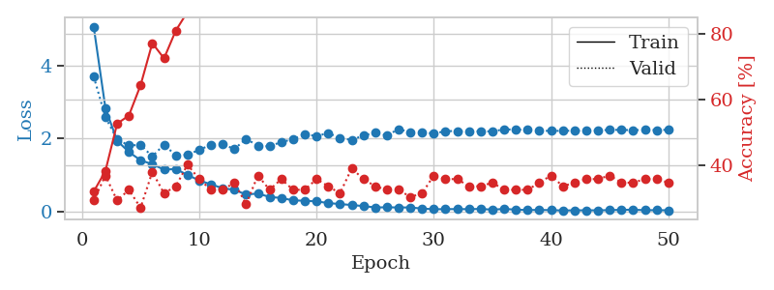
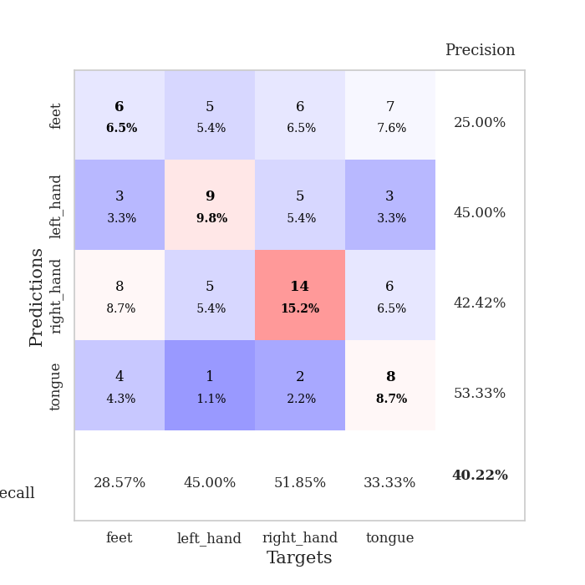
train_loss | valid_loss | train_accuracy | valid_accuracy | dur | train_misclass | valid_misclass
5.0589500199 | 3.6984241838 | 0.32065217391 | 0.29347826087 | 0.10900425911 | 32.065217391 | 29.347826087
2.8326602189 | 2.582880383 | 0.38315217391 | 0.36956521739 | 0.10998153687 | 38.315217391 | 36.956521739
1.9388936706 | 1.9754517078 | 0.52717391304 | 0.29347826087 | 0.10650205612 | 52.717391304 | 29.347826087
1.6316113627 | 1.8100455015 | 0.55163043478 | 0.32608695652 | 0.10809373856 | 55.163043478 | 32.608695652
1.4043692091 | 1.8238989218 | 0.64402173913 | 0.27173913043 | 0.10976886749 | 64.402173913 | 27.173913043
1.2974516257 | 1.5092090057 | 0.77173913043 | 0.38043478261 | 0.10677981377 | 77.173913043 | 38.043478261
1.1493870098 | 1.8346873936 | 0.72554347826 | 0.3152173913 | 0.11139059067 | 72.554347826 | 31.52173913
1.1653681397 | 1.5344861901 | 0.8097826087 | 0.33695652174 | 0.1066672802 | 80.97826087 | 33.695652174
1.00365965 | 1.5575488132 | 0.86684782609 | 0.40217391304 | 0.10916662216 | 86.684782609 | 40.217391304
0.85376221201 | 1.6869037462 | 0.89673913043 | 0.35869565217 | 0.10727143288 | 89.673913043 | 35.869565217
0.74619331308 | 1.8327104579 | 0.91304347826 | 0.32608695652 | 0.10882735252 | 91.304347826 | 32.608695652
0.63976562023 | 1.8431241668 | 0.9375 | 0.32608695652 | 0.10216474533 | 93.75 | 32.608695652
0.59669521321 | 1.7127174865 | 0.98913043478 | 0.34782608696 | 0.10420060158 | 98.913043478 | 34.782608696
0.46721329637 | 1.9918780016 | 0.91576086957 | 0.28260869565 | 0.10514783859 | 91.576086957 | 28.260869565
0.49587172723 | 1.7987134457 | 0.98097826087 | 0.36956521739 | 0.10550618172 | 98.097826087 | 36.956521739
0.40196209498 | 1.7840398706 | 0.98097826087 | 0.32608695652 | 0.10715270042 | 98.097826087 | 32.608695652
0.37438794841 | 1.9058509028 | 0.9972826087 | 0.35869565217 | 0.10718679428 | 99.72826087 | 35.869565217
0.30760989565 | 1.9771458273 | 0.99456521739 | 0.32608695652 | 0.10542798042 | 99.456521739 | 32.608695652
0.29863042222 | 2.1209203264 | 0.9972826087 | 0.32608695652 | 0.10461449623 | 99.72826087 | 32.608695652
0.27995363558 | 2.0645813424 | 1 | 0.35869565217 | 0.10983967781 | 100 | 35.869565217
0.23541840976 | 2.1508930559 | 1 | 0.33695652174 | 0.10967278481 | 100 | 33.695652174
0.20695789644 | 2.0103470139 | 1 | 0.3152173913 | 0.10695910454 | 100 | 31.52173913
0.18187524961 | 1.9606747731 | 1 | 0.39130434783 | 0.10198950768 | 100 | 39.130434783
0.15198943229 | 2.0809866034 | 1 | 0.35869565217 | 0.098008871078 | 100 | 35.869565217
0.11560668278 | 2.1604382163 | 1 | 0.33695652174 | 0.10688614845 | 100 | 33.695652174
0.1184053042 | 2.0856764939 | 1 | 0.32608695652 | 0.11121964455 | 100 | 32.608695652
0.11456228914 | 2.2552476862 | 1 | 0.32608695652 | 0.11166286469 | 100 | 32.608695652
0.11484959252 | 2.1725870526 | 1 | 0.30434782609 | 0.10644030571 | 100 | 30.434782609
0.084343443098 | 2.1732776994 | 1 | 0.3152173913 | 0.11261677742 | 100 | 31.52173913
0.066319331 | 2.1320903301 | 1 | 0.36956521739 | 0.10937070847 | 100 | 36.956521739
0.068341681248 | 2.2019742986 | 1 | 0.35869565217 | 0.10316967964 | 100 | 35.869565217
0.070897673216 | 2.203637714 | 1 | 0.35869565217 | 0.10784721375 | 100 | 35.869565217
0.067850825822 | 2.1865448433 | 1 | 0.33695652174 | 0.11678385735 | 100 | 33.695652174
0.07525345918 | 2.1993190828 | 1 | 0.33695652174 | 0.10638070107 | 100 | 33.695652174
0.053785083653 | 2.1933445205 | 1 | 0.34782608696 | 0.1143245697 | 100 | 34.782608696
0.075677636039 | 2.2502449284 | 1 | 0.32608695652 | 0.10391283035 | 100 | 32.608695652
0.054520281477 | 2.2414134896 | 1 | 0.32608695652 | 0.10747599602 | 100 | 32.608695652
0.04446304138 | 2.2414220001 | 1 | 0.32608695652 | 0.10993766785 | 100 | 32.608695652
0.046684215736 | 2.2094951609 | 1 | 0.34782608696 | 0.10528850555 | 100 | 34.782608696
0.041806205378 | 2.209062058 | 1 | 0.36956521739 | 0.10953640938 | 100 | 36.956521739
0.031988540077 | 2.208772877 | 1 | 0.33695652174 | 0.11042237282 | 100 | 33.695652174
0.036693811214 | 2.214474875 | 1 | 0.34782608696 | 0.1052210331 | 100 | 34.782608696
0.03673835034 | 2.2086925196 | 1 | 0.35869565217 | 0.10427451134 | 100 | 35.869565217
0.036584948736 | 2.219678205 | 1 | 0.35869565217 | 0.10736632347 | 100 | 35.869565217
0.041686838655 | 2.2368072738 | 1 | 0.36956521739 | 0.10854434967 | 100 | 36.956521739
0.050582707941 | 2.2347735944 | 1 | 0.34782608696 | 0.10994315147 | 100 | 34.782608696
0.052175305095 | 2.2283653798 | 1 | 0.34782608696 | 0.1087179184 | 100 | 34.782608696
0.040888004977 | 2.2353124515 | 1 | 0.35869565217 | 0.10881638527 | 100 | 35.869565217
0.039380596485 | 2.2314586536 | 1 | 0.35869565217 | 0.10736298561 | 100 | 35.869565217
0.038034183095 | 2.2373751972 | 1 | 0.34782608696 | 0.10719585419 | 100 | 34.782608696

Best Val accuracy is 0.40217391304347827 and Best test accuracy is 0.3103448275862069

Sheet8
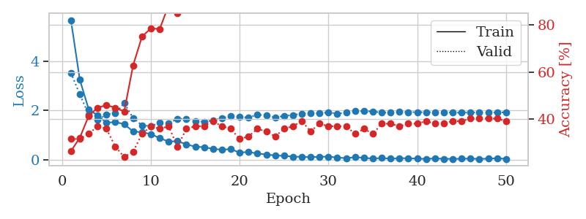
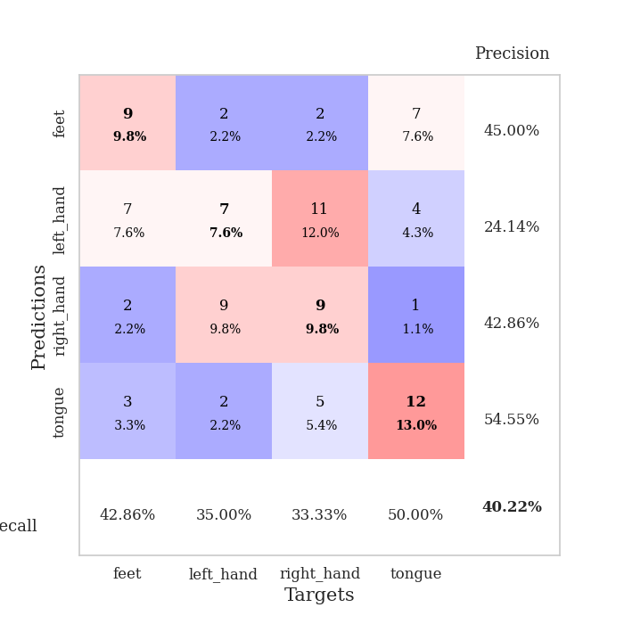
train_loss | valid_loss | train_accuracy | valid_accuracy | dur | train_misclass | valid_misclass
5.6707853442 | 3.5330763692 | 0.26358695652 | 0.3152173913 | 0.10804700851 | 26.358695652 | 31.52173913
3.2531434142 | 2.6564451612 | 0.32065217391 | 0.3152173913 | 0.09875535965 | 32.065217391 | 31.52173913
2.0516341925 | 1.8350868018 | 0.41304347826 | 0.33695652174 | 0.11168456078 | 41.304347826 | 33.695652174
1.803262778 | 1.6262243571 | 0.44836956522 | 0.36956521739 | 0.11087155342 | 44.836956522 | 36.956521739
1.5092967282 | 1.8442415465 | 0.45923913043 | 0.35869565217 | 0.10013699532 | 45.923913043 | 35.869565217
1.5303169385 | 1.8992225502 | 0.44836956522 | 0.28260869565 | 0.098644256592 | 44.836956522 | 28.260869565
1.4515760385 | 2.2958347175 | 0.43206521739 | 0.23913043478 | 0.099060535431 | 43.206521739 | 23.913043478
1.1504267532 | 1.7019223493 | 0.6277173913 | 0.26086956522 | 0.10081672668 | 62.77173913 | 26.086956522
1.1223610951 | 1.4017382446 | 0.75 | 0.33695652174 | 0.11289381981 | 75 | 33.695652174
1.044759981 | 1.3702729526 | 0.78532608696 | 0.36956521739 | 0.10703706741 | 78.532608696 | 36.956521739
0.88077679795 | 1.4988126599 | 0.78260869565 | 0.35869565217 | 0.1017510891 | 78.260869565 | 35.869565217
0.74213549106 | 1.4792122219 | 0.88315217391 | 0.36956521739 | 0.11352038383 | 88.315217391 | 36.956521739
0.75462453391 | 1.6677299427 | 0.85054347826 | 0.28260869565 | 0.10864114761 | 85.054347826 | 28.260869565
0.63421690205 | 1.6572399191 | 0.9402173913 | 0.35869565217 | 0.1051928997 | 94.02173913 | 35.869565217
0.53321397564 | 1.5812224875 | 0.95380434783 | 0.36956521739 | 0.10690617561 | 95.380434783 | 36.956521739
0.51493915397 | 1.543233208 | 0.95652173913 | 0.36956521739 | 0.10881590843 | 95.652173913 | 36.956521739
0.44576687074 | 1.6092638969 | 0.98097826087 | 0.39130434783 | 0.11521911621 | 98.097826087 | 39.130434783
0.41198432899 | 1.693407463 | 0.99456521739 | 0.36956521739 | 0.11495065689 | 99.456521739 | 36.956521739
0.43775043863 | 1.7833045669 | 1 | 0.35869565217 | 0.10404372215 | 100 | 35.869565217
0.29231468621 | 1.7493266852 | 0.9972826087 | 0.3152173913 | 0.10947012901 | 99.72826087 | 31.52173913
0.32347351539 | 1.7126321067 | 0.99456521739 | 0.32608695652 | 0.11094450951 | 99.456521739 | 32.608695652
0.25298414833 | 1.8366799977 | 1 | 0.35869565217 | 0.11218523979 | 100 | 35.869565217
0.22016804374 | 1.8081639331 | 1 | 0.34782608696 | 0.10852146149 | 100 | 34.782608696
0.17564927811 | 1.7253602329 | 1 | 0.32608695652 | 0.11227154732 | 100 | 32.608695652
0.16437002725 | 1.7796927898 | 1 | 0.35869565217 | 0.10912847519 | 100 | 35.869565217
0.12878155903 | 1.8195224275 | 1 | 0.36956521739 | 0.11094498634 | 100 | 36.956521739
0.12429730748 | 1.8744792109 | 1 | 0.39130434783 | 0.10304188728 | 100 | 39.130434783
0.11027321462 | 1.8905558534 | 1 | 0.34782608696 | 0.10762071609 | 100 | 34.782608696
0.12346868079 | 1.8950716775 | 1 | 0.38043478261 | 0.11166763306 | 100 | 38.043478261
0.13237255715 | 1.927874674 | 1 | 0.36956521739 | 0.10808563232 | 100 | 36.956521739
0.093951634698 | 1.8721649595 | 1 | 0.36956521739 | 0.10894227028 | 100 | 36.956521739
0.06837053273 | 1.9116029791 | 1 | 0.36956521739 | 0.11063766479 | 100 | 36.956521739
0.10741398046 | 1.9711928108 | 1 | 0.33695652174 | 0.1059820652 | 100 | 33.695652174
0.08293357289 | 1.9849378182 | 1 | 0.35869565217 | 0.11135101318 | 100 | 35.869565217
0.050412137304 | 1.9616478837 | 1 | 0.33695652174 | 0.10896229744 | 100 | 33.695652174
0.076529314903 | 1.9152567283 | 1 | 0.38043478261 | 0.11290192604 | 100 | 38.043478261
0.045867819015 | 1.9323860355 | 1 | 0.38043478261 | 0.10794305801 | 100 | 38.043478261
0.067653338546 | 1.9591557254 | 1 | 0.36956521739 | 0.1086461544 | 100 | 36.956521739
0.065304679958 | 1.9368888036 | 1 | 0.38043478261 | 0.10825705528 | 100 | 38.043478261
0.050173923009 | 1.9339460031 | 1 | 0.38043478261 | 0.11085772514 | 100 | 38.043478261
0.038145734078 | 1.9341892522 | 1 | 0.39130434783 | 0.10786294937 | 100 | 39.130434783
0.059104333713 | 1.9263931565 | 1 | 0.38043478261 | 0.10440373421 | 100 | 38.043478261
0.043220021782 | 1.9283609598 | 1 | 0.38043478261 | 0.10320329666 | 100 | 38.043478261
0.040956712551 | 1.9224754365 | 1 | 0.39130434783 | 0.10561704636 | 100 | 39.130434783
0.04363594682 | 1.9137017986 | 1 | 0.39130434783 | 0.11176156998 | 100 | 39.130434783
0.053765216154 | 1.9228723308 | 1 | 0.40217391304 | 0.10876274109 | 100 | 40.217391304
0.036565428438 | 1.9183488981 | 1 | 0.40217391304 | 0.10859584808 | 100 | 40.217391304
0.050942751336 | 1.9158227599 | 1 | 0.40217391304 | 0.10819005966 | 100 | 40.217391304
0.063407484847 | 1.9257995098 | 1 | 0.40217391304 | 0.1057908535 | 100 | 40.217391304
0.042361382921 | 1.9268465457 | 1 | 0.39130434783 | 0.10840678215 | 100 | 39.130434783

Best Val accuracy is 0.40217391304347827 and Best test accuracy is 0.43103448275862066

Sheet9
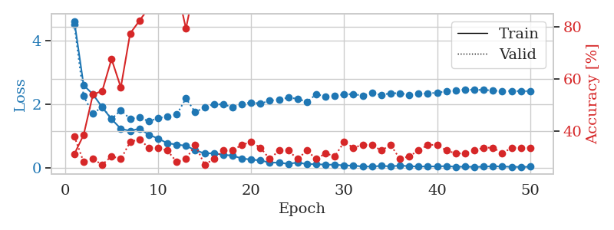
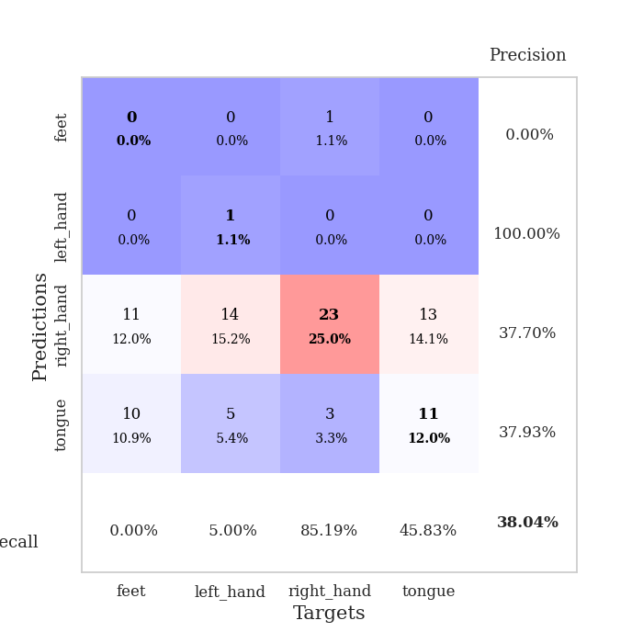
train_loss | valid_loss | train_accuracy | valid_accuracy | dur | train_misclass | valid_misclass
4.6017140202 | 4.4942170952 | 0.3125 | 0.38043478261 | 0.11283421516 | 31.25 | 38.043478261
2.5967851411 | 2.2548029371 | 0.38586956522 | 0.28260869565 | 0.10655546188 | 38.586956522 | 28.260869565
2.3124455576 | 1.7007546166 | 0.54076086957 | 0.29347826087 | 0.10925912857 | 54.076086957 | 29.347826087
1.9042336163 | 1.9245883589 | 0.55434782609 | 0.27173913043 | 0.10409140587 | 55.434782609 | 27.173913043
1.5349090799 | 1.5366156153 | 0.67663043478 | 0.30434782609 | 0.10963916779 | 67.663043478 | 30.434782609
1.2326773068 | 1.8174248208 | 0.56793478261 | 0.29347826087 | 0.11014127731 | 56.793478261 | 29.347826087
1.1661028525 | 1.5395802 | 0.77445652174 | 0.35869565217 | 0.10950684547 | 77.445652174 | 35.869565217
1.2383236263 | 1.601020984 | 0.82336956522 | 0.36956521739 | 0.11175251007 | 82.336956522 | 36.956521739
1.0481148932 | 1.4604153892 | 0.8722826087 | 0.33695652174 | 0.11361718178 | 87.22826087 | 33.695652174
0.92874428371 | 1.5666143946 | 0.91576086957 | 0.33695652174 | 0.1076233387 | 91.576086957 | 33.695652174
0.78211396544 | 1.6149975321 | 0.92663043478 | 0.32608695652 | 0.11034822464 | 92.663043478 | 32.608695652
0.73836302109 | 1.6781836852 | 0.95380434783 | 0.28260869565 | 0.10901117325 | 95.380434783 | 28.260869565
0.70180722812 | 2.1817726571 | 0.79347826087 | 0.29347826087 | 0.10704398155 | 79.347826087 | 29.347826087
0.56180902279 | 1.7518262397 | 0.96739130435 | 0.34782608696 | 0.10927629471 | 96.739130435 | 34.782608696
0.4621967304 | 1.9073607714 | 0.9402173913 | 0.27173913043 | 0.10792922974 | 94.02173913 | 27.173913043
0.46752869953 | 2.0037145718 | 0.96739130435 | 0.29347826087 | 0.11488294601 | 96.739130435 | 29.347826087
0.4147725656 | 1.992329727 | 0.9972826087 | 0.32608695652 | 0.10262513161 | 99.72826087 | 32.608695652
0.39621455708 | 1.9118077237 | 0.9972826087 | 0.32608695652 | 0.11077332497 | 99.72826087 | 32.608695652
0.30172919903 | 2.0069670781 | 0.98913043478 | 0.34782608696 | 0.10467123985 | 98.913043478 | 34.782608696
0.27160909221 | 2.0551240652 | 0.9972826087 | 0.35869565217 | 0.10794138908 | 99.72826087 | 35.869565217
0.24115080095 | 2.0209397855 | 0.9972826087 | 0.33695652174 | 0.10966134071 | 99.72826087 | 33.695652174
0.17736306916 | 2.1090305733 | 1 | 0.29347826087 | 0.11154007912 | 100 | 29.347826087
0.17154971348 | 2.1534158976 | 1 | 0.32608695652 | 0.10826945305 | 100 | 32.608695652
0.13567014363 | 2.2036651528 | 0.9972826087 | 0.32608695652 | 0.10954022408 | 99.72826087 | 32.608695652
0.17668395311 | 2.1742104033 | 1 | 0.29347826087 | 0.10390925407 | 100 | 29.347826087
0.12715647791 | 2.0738030154 | 1 | 0.32608695652 | 0.10166716576 | 100 | 32.608695652
0.12616126733 | 2.3118526728 | 1 | 0.29347826087 | 0.11019968987 | 100 | 29.347826087
0.10950255353 | 2.2490234738 | 1 | 0.3152173913 | 0.10883116722 | 100 | 31.52173913
0.10964777183 | 2.267814149 | 1 | 0.30434782609 | 0.11230015755 | 100 | 30.434782609
0.08707143589 | 2.3089013307 | 1 | 0.35869565217 | 0.10645794868 | 100 | 35.869565217
0.079597050648 | 2.3180090863 | 1 | 0.33695652174 | 0.10802102089 | 100 | 33.695652174
0.052888448472 | 2.2665291247 | 1 | 0.34782608696 | 0.11197519302 | 100 | 34.782608696
0.051188871791 | 2.3498680488 | 1 | 0.34782608696 | 0.11009335518 | 100 | 34.782608696
0.073591420994 | 2.2889910314 | 1 | 0.32608695652 | 0.10543966293 | 100 | 32.608695652
0.055789327694 | 2.3456928004 | 1 | 0.34782608696 | 0.10942745209 | 100 | 34.782608696
0.081112027249 | 2.3460349104 | 1 | 0.29347826087 | 0.10878491402 | 100 | 29.347826087
0.06184563721 | 2.2969778465 | 1 | 0.30434782609 | 0.10848975182 | 100 | 30.434782609
0.051399457835 | 2.3386133132 | 1 | 0.32608695652 | 0.11466288567 | 100 | 32.608695652
0.054069977659 | 2.3346445146 | 1 | 0.34782608696 | 0.10961103439 | 100 | 34.782608696
0.054372646846 | 2.3646409926 | 1 | 0.34782608696 | 0.10651493073 | 100 | 34.782608696
0.066077723148 | 2.4049793534 | 1 | 0.32608695652 | 0.10771512985 | 100 | 32.608695652
0.043645491824 | 2.4255700008 | 1 | 0.3152173913 | 0.10737276077 | 100 | 31.52173913
0.047008872761 | 2.4665601046 | 1 | 0.3152173913 | 0.11217260361 | 100 | 31.52173913
0.040993042533 | 2.4475960628 | 1 | 0.32608695652 | 0.10809874535 | 100 | 32.608695652
0.045865310397 | 2.4515341365 | 1 | 0.33695652174 | 0.10556101799 | 100 | 33.695652174
0.061869973519 | 2.4263165515 | 1 | 0.33695652174 | 0.10441374779 | 100 | 33.695652174
0.051551220615 | 2.4151935266 | 1 | 0.3152173913 | 0.11156272888 | 100 | 31.52173913
0.043118174917 | 2.4146599562 | 1 | 0.33695652174 | 0.10604429245 | 100 | 33.695652174
0.038849532118 | 2.4098958036 | 1 | 0.33695652174 | 0.10939693451 | 100 | 33.695652174
0.044745832054 | 2.4109692055 | 1 | 0.33695652174 | 0.10853862762 | 100 | 33.695652174

Best Val accuracy is 0.3804347826086957 and Best test accuracy is 0.3103448275862069

Sheet10
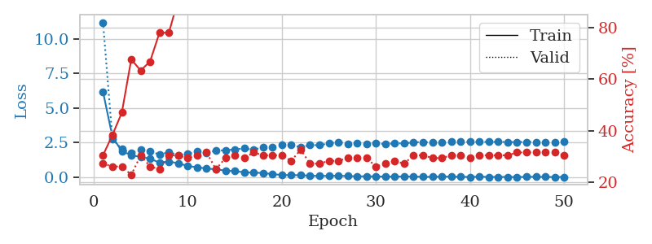
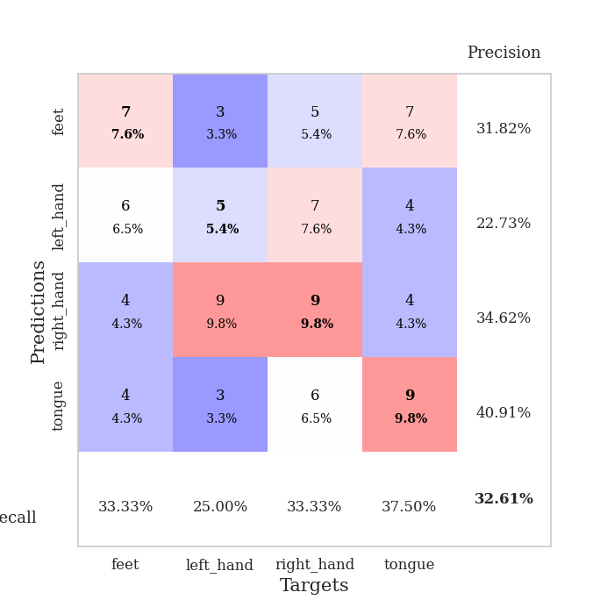
train_loss | valid_loss | train_accuracy | valid_accuracy | dur | train_misclass | valid_misclass
6.1727971201 | 11.182273139 | 0.30434782609 | 0.27173913043 | 0.10930919647 | 30.434782609 | 27.173913043
2.9231037731 | 2.7465124752 | 0.38315217391 | 0.26086956522 | 0.11271953583 | 38.315217391 | 26.086956522
1.8767933638 | 2.0475584061 | 0.47010869565 | 0.26086956522 | 0.10750865936 | 47.010869565 | 26.086956522
1.6121893914 | 1.7610152493 | 0.67663043478 | 0.22826086957 | 0.10315918922 | 67.663043478 | 22.826086957
1.4590560431 | 1.9898390044 | 0.63315217391 | 0.30434782609 | 0.11183834076 | 63.315217391 | 30.434782609
1.3523484054 | 1.9008688616 | 0.66847826087 | 0.26086956522 | 0.10794711113 | 66.847826087 | 26.086956522
1.0570797402 | 1.635147385 | 0.77989130435 | 0.25 | 0.10696554184 | 77.989130435 | 25
1.1408158359 | 1.8213931374 | 0.77989130435 | 0.30434782609 | 0.10399961472 | 77.989130435 | 30.434782609
1.0130345225 | 1.6116233027 | 0.91032608696 | 0.30434782609 | 0.11171507835 | 91.032608696 | 30.434782609
0.8196943804 | 1.6809727057 | 0.9402173913 | 0.29347826087 | 0.10808467865 | 94.02173913 | 29.347826087
0.72430701359 | 1.8930598912 | 0.89130434783 | 0.30434782609 | 0.10279250145 | 89.130434783 | 30.434782609
0.64098483583 | 1.7702070993 | 0.94836956522 | 0.3152173913 | 0.10231900215 | 94.836956522 | 31.52173913
0.57464736376 | 1.9324332061 | 0.96739130435 | 0.25 | 0.11038565636 | 96.739130435 | 25
0.48735073792 | 1.954914715 | 0.97554347826 | 0.29347826087 | 0.10321450233 | 97.554347826 | 29.347826087
0.44456558253 | 2.0175396619 | 0.9972826087 | 0.30434782609 | 0.10735940933 | 99.72826087 | 30.434782609
0.36464492588 | 2.0865721599 | 1 | 0.29347826087 | 0.11001682281 | 100 | 29.347826087
0.334436921 | 2.0042762549 | 0.9972826087 | 0.3152173913 | 0.10632586479 | 99.72826087 | 31.52173913
0.31680606694 | 2.1673666187 | 0.9972826087 | 0.30434782609 | 0.10337781906 | 99.72826087 | 30.434782609
0.23152257178 | 2.2003540889 | 0.9972826087 | 0.30434782609 | 0.10217499733 | 99.72826087 | 30.434782609
0.17208516905 | 2.3364613056 | 0.9972826087 | 0.30434782609 | 0.10240364075 | 99.72826087 | 30.434782609
0.15608597417 | 2.3319272995 | 1 | 0.28260869565 | 0.10350298882 | 100 | 28.260869565
0.15570706518 | 2.1857388797 | 1 | 0.32608695652 | 0.10254025459 | 100 | 32.608695652
0.1154593354 | 2.3264649744 | 1 | 0.27173913043 | 0.10279631615 | 100 | 27.173913043
0.10148574477 | 2.3222465411 | 1 | 0.27173913043 | 0.10917282104 | 100 | 27.173913043
0.10844565636 | 2.4417544241 | 1 | 0.28260869565 | 0.10691905022 | 100 | 28.260869565
0.11069497887 | 2.5492503436 | 1 | 0.28260869565 | 0.11001610756 | 100 | 28.260869565
0.096401366203 | 2.4191065975 | 1 | 0.29347826087 | 0.10613131523 | 100 | 29.347826087
0.069105539916 | 2.4624512092 | 1 | 0.29347826087 | 0.10320162773 | 100 | 29.347826087
0.081100952812 | 2.4007306617 | 1 | 0.29347826087 | 0.10665631294 | 100 | 29.347826087
0.060574639913 | 2.4847598491 | 1 | 0.26086956522 | 0.11433601379 | 100 | 26.086956522
0.055873391502 | 2.3796556307 | 1 | 0.27173913043 | 0.11495304108 | 100 | 27.173913043
0.04852842985 | 2.4694964056 | 1 | 0.28260869565 | 0.10881567001 | 100 | 28.260869565
0.069830162451 | 2.4390566764 | 1 | 0.27173913043 | 0.11176371574 | 100 | 27.173913043
0.051491368036 | 2.5360342938 | 1 | 0.30434782609 | 0.11219263077 | 100 | 30.434782609
0.039502161676 | 2.5417738064 | 1 | 0.30434782609 | 0.1083240509 | 100 | 30.434782609
0.035382606899 | 2.5310937218 | 1 | 0.29347826087 | 0.10926818848 | 100 | 29.347826087
0.048919239648 | 2.5416970046 | 1 | 0.29347826087 | 0.10830640793 | 100 | 29.347826087
0.049509811013 | 2.5718091778 | 1 | 0.30434782609 | 0.10870099068 | 100 | 30.434782609
0.039881074599 | 2.5607973078 | 1 | 0.30434782609 | 0.11391568184 | 100 | 30.434782609
0.02577739956 | 2.5607586218 | 1 | 0.29347826087 | 0.10889911652 | 100 | 29.347826087
0.045723493859 | 2.565480989 | 1 | 0.30434782609 | 0.11109733582 | 100 | 30.434782609
0.030045488768 | 2.555995682 | 1 | 0.30434782609 | 0.10872673988 | 100 | 30.434782609
0.028047563346 | 2.5677820807 | 1 | 0.30434782609 | 0.10441994667 | 100 | 30.434782609
0.028016000379 | 2.5467703757 | 1 | 0.30434782609 | 0.10975885391 | 100 | 30.434782609
0.019227280788 | 2.5485472783 | 1 | 0.3152173913 | 0.10428547859 | 100 | 31.52173913
0.03290940477 | 2.5545499532 | 1 | 0.3152173913 | 0.1109726429 | 100 | 31.52173913
0.038123117638 | 2.5547756216 | 1 | 0.3152173913 | 0.11183834076 | 100 | 31.52173913
0.034535874451 | 2.5488294519 | 1 | 0.3152173913 | 0.1086742878 | 100 | 31.52173913
0.017843936104 | 2.5345750892 | 1 | 0.3152173913 | 0.10416936874 | 100 | 31.52173913
0.030336932725 | 2.5685383652 | 1 | 0.30434782609 | 0.10992050171 | 100 | 30.434782609

Best Val accuracy is 0.32608695652173914 and Best test accuracy is 0.3275862068965517

