Sheet
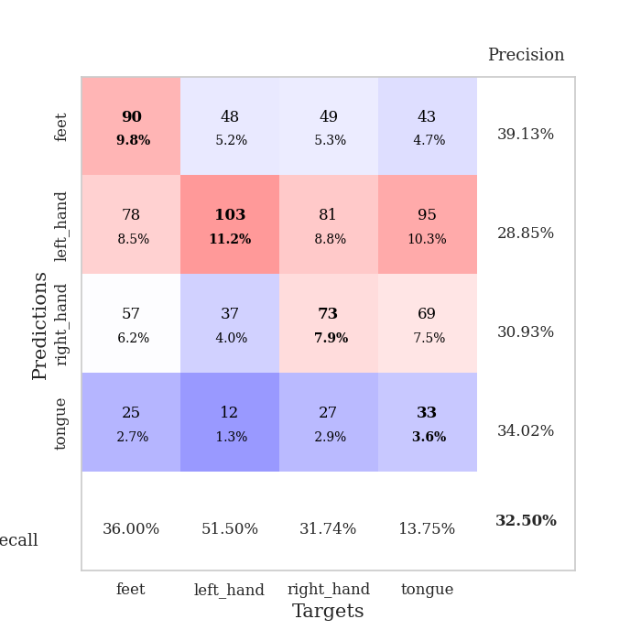
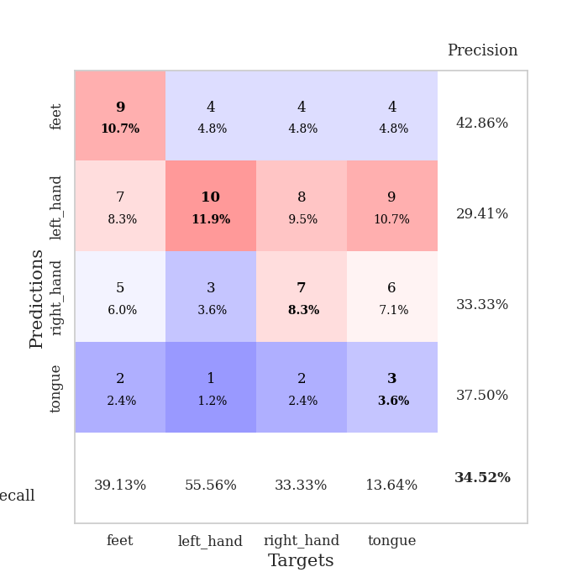
best_val_acc | best_val_los | best_test_acc
0.33695652174 | 1.5542401386 | 0.25862068966
0.30434782609 | 1.6997132457 | 0.25
0.32608695652 | 1.6356964422 | 0.31034482759
0.35869565217 | 1.6978490353 | 0.30172413793
0.3152173913 | 1.5746567197 | 0.31034482759
0.3152173913 | 1.652903759 | 0.31896551724
0.32608695652 | 1.6315414595 | 0.31896551724
0.33695652174 | 1.6254042802 | 0.37931034483
0.30434782609 | 1.6570357447 | 0.30172413793
0.32608695652 | 1.6945571018 | 0.29310344828

Mean,std Val accuracy is 0.32500000000000007 , 0.016563955725597757 and mean, std test accuracy is 0.30431034482758623 , 0.03543931860533528

Sheet1
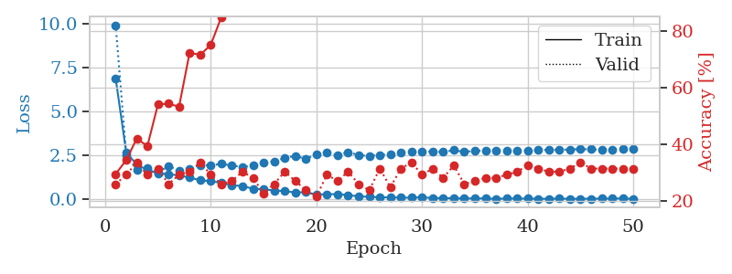
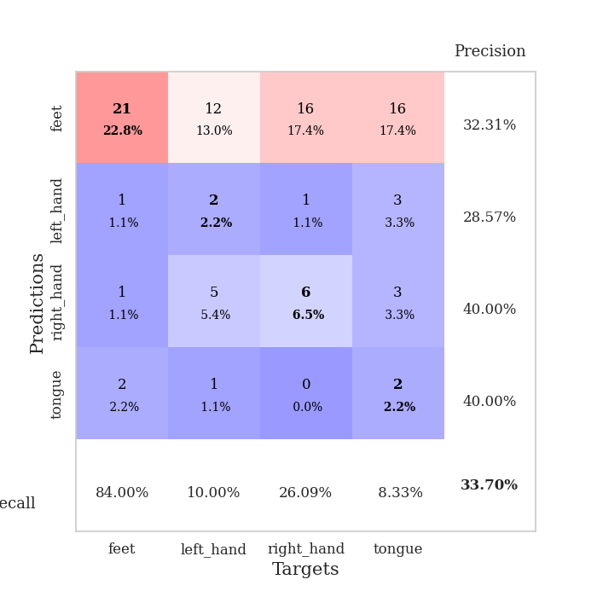
train_loss | valid_loss | train_accuracy | valid_accuracy | dur | train_misclass | valid_misclass
6.894172741 | 9.9274280797 | 0.29619565217 | 0.26086956522 | 0.1110906601 | 29.619565217 | 26.086956522
2.6736261482 | 2.5386240897 | 0.34510869565 | 0.29347826087 | 0.1107480526 | 34.510869565 | 29.347826087
1.9899956351 | 1.6845684777 | 0.42119565217 | 0.33695652174 | 0.10825133324 | 42.119565217 | 33.695652174
1.6772703969 | 1.8139494865 | 0.39402173913 | 0.29347826087 | 0.11144900322 | 39.402173913 | 29.347826087
1.5003317931 | 1.5542401386 | 0.54076086957 | 0.3152173913 | 0.1038608551 | 54.076086957 | 31.52173913
1.4420462847 | 1.8994203443 | 0.54347826087 | 0.26086956522 | 0.10831594467 | 54.347826087 | 26.086956522
1.3711076249 | 1.6584288504 | 0.53260869565 | 0.29347826087 | 0.11297297478 | 53.260869565 | 29.347826087
1.2490329561 | 1.76146953 | 0.72282608696 | 0.30434782609 | 0.10457110405 | 72.282608696 | 30.434782609
1.0943939116 | 1.9692542035 | 0.71467391304 | 0.33695652174 | 0.10903096199 | 71.467391304 | 33.695652174
1.042582416 | 1.9284744988 | 0.75 | 0.29347826087 | 0.10876464844 | 75 | 29.347826087
0.94569468757 | 2.0354001729 | 0.84782608696 | 0.26086956522 | 0.10693669319 | 84.782608696 | 26.086956522
0.80968204529 | 1.9204015265 | 0.89402173913 | 0.27173913043 | 0.10215950012 | 89.402173913 | 27.173913043
0.76484107712 | 1.8616149944 | 0.94836956522 | 0.30434782609 | 0.11116790771 | 94.836956522 | 30.434782609
0.61121890078 | 1.9241960878 | 0.96195652174 | 0.28260869565 | 0.11311793327 | 96.195652174 | 28.260869565
0.57686044794 | 2.1228588249 | 0.96467391304 | 0.22826086957 | 0.10468292236 | 96.467391304 | 22.826086957
0.51091665548 | 2.1724880156 | 0.95652173913 | 0.26086956522 | 0.1106672287 | 95.652173913 | 26.086956522
0.47832863357 | 2.3615201349 | 0.99456521739 | 0.30434782609 | 0.10955190659 | 99.456521739 | 30.434782609
0.39599313943 | 2.4812745426 | 0.9972826087 | 0.27173913043 | 0.10198402405 | 99.72826087 | 27.173913043
0.41995450012 | 2.3061373234 | 0.9972826087 | 0.23913043478 | 0.11020898819 | 99.72826087 | 23.913043478
0.27683812056 | 2.5796642822 | 0.9972826087 | 0.21739130435 | 0.10760498047 | 99.72826087 | 21.739130435
0.30324388652 | 2.6472505694 | 0.9972826087 | 0.29347826087 | 0.10855412483 | 99.72826087 | 29.347826087
0.30048646357 | 2.5149361776 | 1 | 0.27173913043 | 0.10769939423 | 100 | 27.173913043
0.25486957379 | 2.6976493442 | 1 | 0.30434782609 | 0.11647987366 | 100 | 30.434782609
0.17119539918 | 2.5269396927 | 1 | 0.26086956522 | 0.10858607292 | 100 | 26.086956522
0.15436598254 | 2.4771078359 | 1 | 0.23913043478 | 0.112231493 | 100 | 23.913043478
0.12021874863 | 2.5400111468 | 1 | 0.3152173913 | 0.10737609863 | 100 | 31.52173913
0.12095202295 | 2.5527038471 | 1 | 0.25 | 0.11618590355 | 100 | 25
0.10693512578 | 2.6668128553 | 1 | 0.3152173913 | 0.10764455795 | 100 | 31.52173913
0.10104409524 | 2.7183371005 | 1 | 0.33695652174 | 0.10968780518 | 100 | 33.695652174
0.12370446462 | 2.7419768313 | 1 | 0.29347826087 | 0.10945343971 | 100 | 29.347826087
0.085947827638 | 2.7267417182 | 1 | 0.3152173913 | 0.11125659943 | 100 | 31.52173913
0.077206495177 | 2.7091081764 | 1 | 0.28260869565 | 0.10887694359 | 100 | 28.260869565
0.07174211781 | 2.8038292864 | 1 | 0.32608695652 | 0.100938797 | 100 | 32.608695652
0.05302749064 | 2.7132975641 | 1 | 0.26086956522 | 0.10930752754 | 100 | 26.086956522
0.067700341506 | 2.7611785453 | 1 | 0.27173913043 | 0.11006116867 | 100 | 27.173913043
0.054840542052 | 2.7952095322 | 1 | 0.28260869565 | 0.10913133621 | 100 | 28.260869565
0.039845808247 | 2.7939545694 | 1 | 0.28260869565 | 0.11482810974 | 100 | 28.260869565
0.053681013984 | 2.7724254961 | 1 | 0.29347826087 | 0.10872769356 | 100 | 29.347826087
0.054604107676 | 2.7802297032 | 1 | 0.30434782609 | 0.10926532745 | 100 | 30.434782609
0.049196503004 | 2.7889213873 | 1 | 0.32608695652 | 0.11156868935 | 100 | 32.608695652
0.043130365767 | 2.807949968 | 1 | 0.3152173913 | 0.10941171646 | 100 | 31.52173913
0.040755334432 | 2.8240034995 | 1 | 0.30434782609 | 0.10975265503 | 100 | 30.434782609
0.048611885504 | 2.8196843396 | 1 | 0.30434782609 | 0.106320858 | 100 | 30.434782609
0.040026511349 | 2.8523466587 | 1 | 0.3152173913 | 0.10807800293 | 100 | 31.52173913
0.039656397603 | 2.857282141 | 1 | 0.33695652174 | 0.1165368557 | 100 | 33.695652174
0.046442295951 | 2.8601469579 | 1 | 0.3152173913 | 0.10085105896 | 100 | 31.52173913
0.047233473064 | 2.8243808435 | 1 | 0.3152173913 | 0.11061525345 | 100 | 31.52173913
0.053583728757 | 2.8542598123 | 1 | 0.3152173913 | 0.11065578461 | 100 | 31.52173913
0.058089806172 | 2.8711027684 | 1 | 0.3152173913 | 0.10881495476 | 100 | 31.52173913
0.034435192568 | 2.861665197 | 1 | 0.3152173913 | 0.11095333099 | 100 | 31.52173913

Best Val accuracy is 0.33695652173913043 and Best test accuracy is 0.25862068965517243

Sheet2
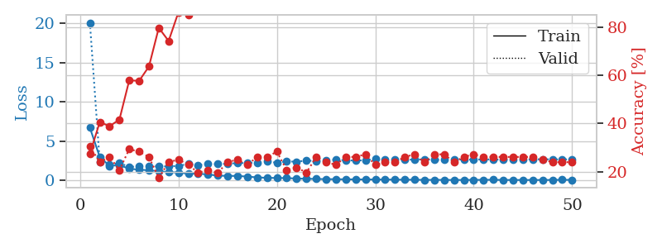
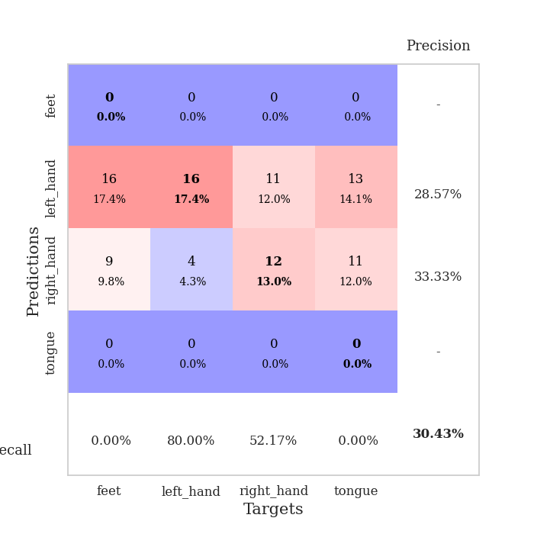
train_loss | valid_loss | train_accuracy | valid_accuracy | dur | train_misclass | valid_misclass
6.7093917909 | 20.103297109 | 0.27445652174 | 0.30434782609 | 0.10889267921 | 27.445652174 | 30.434782609
2.9765224249 | 2.333507258 | 0.40489130435 | 0.23913043478 | 0.10277318954 | 40.489130435 | 23.913043478
1.8467685658 | 1.9695881657 | 0.38858695652 | 0.26086956522 | 0.11156487465 | 38.858695652 | 26.086956522
1.9328941055 | 2.2103100549 | 0.41576086957 | 0.20652173913 | 0.10561704636 | 41.576086957 | 20.652173913
1.4699636646 | 1.6997132457 | 0.57880434783 | 0.29347826087 | 0.10930633545 | 57.880434783 | 29.347826087
1.363101726 | 1.7847226703 | 0.57608695652 | 0.28260869565 | 0.10851120949 | 57.608695652 | 28.260869565
1.2717678651 | 1.8212550516 | 0.63586956522 | 0.26086956522 | 0.10679197311 | 63.586956522 | 26.086956522
1.1714643344 | 1.770590041 | 0.79619565217 | 0.17391304348 | 0.10596728325 | 79.619565217 | 17.391304348
1.023531976 | 1.7731797021 | 0.74184782609 | 0.23913043478 | 0.11135387421 | 74.184782609 | 23.913043478
1.0058083677 | 1.8402265621 | 0.86141304348 | 0.25 | 0.10706233978 | 86.141304348 | 25
0.83854267779 | 2.0847898203 | 0.85054347826 | 0.22826086957 | 0.10585522652 | 85.054347826 | 22.826086957
0.85529875755 | 1.93819725 | 0.93206521739 | 0.19565217391 | 0.10840630531 | 93.206521739 | 19.565217391
0.74339841889 | 2.0935229944 | 0.9402173913 | 0.20652173913 | 0.10495352745 | 94.02173913 | 20.652173913
0.59752943075 | 2.0684583809 | 0.96467391304 | 0.19565217391 | 0.10859441757 | 96.467391304 | 19.565217391
0.56288729543 | 2.1185689283 | 0.97554347826 | 0.23913043478 | 0.10741448402 | 97.554347826 | 23.913043478
0.55865101451 | 2.1923780493 | 0.97282608696 | 0.25 | 0.10832214355 | 97.282608696 | 25
0.47556106034 | 2.2168492182 | 0.99456521739 | 0.22826086957 | 0.11232662201 | 99.456521739 | 22.826086957
0.37022771265 | 2.2316619728 | 0.9972826087 | 0.26086956522 | 0.10721421242 | 99.72826087 | 26.086956522
0.31551770024 | 2.4268180598 | 0.9972826087 | 0.26086956522 | 0.10934853554 | 99.72826087 | 26.086956522
0.29697077138 | 2.236901843 | 1 | 0.28260869565 | 0.1092069149 | 100 | 28.260869565
0.28306773694 | 2.400823873 | 1 | 0.20652173913 | 0.11217498779 | 100 | 20.652173913
0.22470330253 | 2.3794062552 | 1 | 0.21739130435 | 0.10548639297 | 100 | 21.739130435
0.19624980976 | 2.5125219615 | 1 | 0.19565217391 | 0.11498808861 | 100 | 19.565217391
0.1703530252 | 2.4610505104 | 1 | 0.26086956522 | 0.10862135887 | 100 | 26.086956522
0.14701477357 | 2.5687295769 | 1 | 0.23913043478 | 0.11398839951 | 100 | 23.913043478
0.141213235 | 2.6463614028 | 1 | 0.22826086957 | 0.10885667801 | 100 | 22.826086957
0.12474789681 | 2.5442334984 | 1 | 0.26086956522 | 0.10726666451 | 100 | 26.086956522
0.11985223011 | 2.5293200534 | 1 | 0.26086956522 | 0.10899972916 | 100 | 26.086956522
0.1072291173 | 2.5597190857 | 1 | 0.27173913043 | 0.10927629471 | 100 | 27.173913043
0.10294977122 | 2.7399035537 | 1 | 0.22826086957 | 0.11389827728 | 100 | 22.826086957
0.10198908769 | 2.6720999946 | 1 | 0.23913043478 | 0.10875415802 | 100 | 23.913043478
0.082806808064 | 2.6339702192 | 1 | 0.23913043478 | 0.11059212685 | 100 | 23.913043478
0.080830842823 | 2.6607950252 | 1 | 0.26086956522 | 0.11240458488 | 100 | 26.086956522
0.072355813306 | 2.6259118163 | 1 | 0.27173913043 | 0.099989652634 | 100 | 27.173913043
0.053843104726 | 2.6863388186 | 1 | 0.23913043478 | 0.10762476921 | 100 | 23.913043478
0.057141625282 | 2.6130071723 | 1 | 0.27173913043 | 0.1131541729 | 100 | 27.173913043
0.051018824922 | 2.6142012866 | 1 | 0.27173913043 | 0.10844993591 | 100 | 27.173913043
0.042815631073 | 2.6465596634 | 1 | 0.23913043478 | 0.10624527931 | 100 | 23.913043478
0.046535603054 | 2.6434877126 | 1 | 0.26086956522 | 0.10367679596 | 100 | 26.086956522
0.051442728985 | 2.6483668141 | 1 | 0.27173913043 | 0.10871696472 | 100 | 27.173913043
0.059914884684 | 2.6746866081 | 1 | 0.26086956522 | 0.10898137093 | 100 | 26.086956522
0.063750992772 | 2.6536078557 | 1 | 0.26086956522 | 0.10813808441 | 100 | 26.086956522
0.042244712539 | 2.6391907257 | 1 | 0.26086956522 | 0.10858941078 | 100 | 26.086956522
0.045547876284 | 2.6467580173 | 1 | 0.26086956522 | 0.10531115532 | 100 | 26.086956522
0.037873180097 | 2.6786729357 | 1 | 0.26086956522 | 0.10656166077 | 100 | 26.086956522
0.042189788843 | 2.6732123313 | 1 | 0.26086956522 | 0.11005115509 | 100 | 26.086956522
0.039882811434 | 2.6936888073 | 1 | 0.25 | 0.10795617104 | 100 | 25
0.048504234292 | 2.6694294577 | 1 | 0.23913043478 | 0.11175370216 | 100 | 23.913043478
0.063802056764 | 2.6717437143 | 1 | 0.23913043478 | 0.11117291451 | 100 | 23.913043478
0.048989666221 | 2.6617367579 | 1 | 0.23913043478 | 0.1114282608 | 100 | 23.913043478

Best Val accuracy is 0.30434782608695654 and Best test accuracy is 0.25

Sheet3
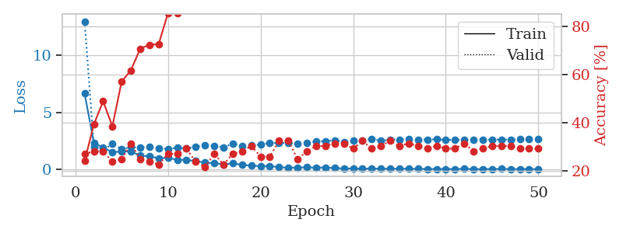
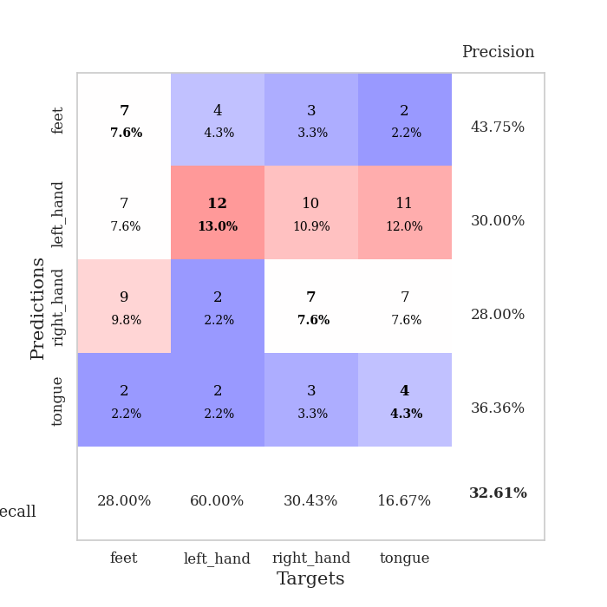
train_loss | valid_loss | train_accuracy | valid_accuracy | dur | train_misclass | valid_misclass
6.6471316607 | 12.953536821 | 0.24184782609 | 0.27173913043 | 0.10739612579 | 24.184782609 | 27.173913043
2.3450558497 | 2.0208864575 | 0.39402173913 | 0.28260869565 | 0.10505604744 | 39.402173913 | 28.260869565
1.9275330253 | 1.6356964422 | 0.48913043478 | 0.28260869565 | 0.10751962662 | 48.913043478 | 28.260869565
1.5087629712 | 2.2952365979 | 0.38586956522 | 0.23913043478 | 0.10934066772 | 38.586956522 | 23.913043478
1.5927878566 | 1.7631709057 | 0.57065217391 | 0.25 | 0.1113319397 | 57.065217391 | 25
1.5785626639 | 1.9766546021 | 0.61684782609 | 0.3152173913 | 0.11312627792 | 61.684782609 | 31.52173913
1.2292130356 | 1.9250246857 | 0.70652173913 | 0.25 | 0.10798358917 | 70.652173913 | 25
1.1507511268 | 2.0140588284 | 0.72282608696 | 0.23913043478 | 0.10853123665 | 72.282608696 | 23.913043478
0.99452066162 | 1.867367589 | 0.72554347826 | 0.22826086957 | 0.10414910316 | 72.554347826 | 22.826086957
1.0250931978 | 1.8173690153 | 0.85326086957 | 0.27173913043 | 0.10772919655 | 85.326086957 | 27.173913043
0.85805253101 | 1.9020517909 | 0.85326086957 | 0.27173913043 | 0.10867214203 | 85.326086957 | 27.173913043
0.84845257583 | 1.835286099 | 0.90217391304 | 0.29347826087 | 0.11179757118 | 90.217391304 | 29.347826087
0.74187687558 | 2.0160130936 | 0.91576086957 | 0.23913043478 | 0.10577511787 | 91.576086957 | 23.913043478
0.60458366249 | 2.117725476 | 0.94836956522 | 0.21739130435 | 0.1109688282 | 94.836956522 | 21.739130435
0.55677169367 | 2.0882395661 | 0.96467391304 | 0.27173913043 | 0.10967516899 | 96.467391304 | 27.173913043
0.45344864998 | 1.9333579385 | 0.98097826087 | 0.22826086957 | 0.11567592621 | 98.097826087 | 22.826086957
0.54469777708 | 2.2772976834 | 0.97010869565 | 0.27173913043 | 0.10956811905 | 97.010869565 | 27.173913043
0.4081902504 | 2.0518673296 | 0.99456521739 | 0.28260869565 | 0.11062431335 | 99.456521739 | 28.260869565
0.34133479971 | 2.12146928 | 0.9972826087 | 0.30434782609 | 0.10570311546 | 99.72826087 | 30.434782609
0.29776759057 | 2.1997963346 | 1 | 0.26086956522 | 0.10882163048 | 100 | 26.086956522
0.30065664228 | 2.3251937887 | 1 | 0.26086956522 | 0.109333992 | 100 | 26.086956522
0.21397650209 | 2.317572376 | 1 | 0.32608695652 | 0.11028838158 | 100 | 32.608695652
0.15992938727 | 2.354631424 | 1 | 0.32608695652 | 0.10754299164 | 100 | 32.608695652
0.17597702534 | 2.2372867232 | 1 | 0.25 | 0.1113960743 | 100 | 25
0.19526964799 | 2.3443640937 | 1 | 0.28260869565 | 0.10055804253 | 100 | 28.260869565
0.16091638447 | 2.4425838097 | 1 | 0.30434782609 | 0.10468220711 | 100 | 30.434782609
0.18383866387 | 2.4968049837 | 1 | 0.30434782609 | 0.10877275467 | 100 | 30.434782609
0.12850118728 | 2.5485885662 | 1 | 0.3152173913 | 0.10781669617 | 100 | 31.52173913
0.096125236105 | 2.4279670404 | 1 | 0.3152173913 | 0.10508203506 | 100 | 31.52173913
0.095039103585 | 2.5202581053 | 1 | 0.29347826087 | 0.10832166672 | 100 | 29.347826087
0.077248443768 | 2.5071327479 | 1 | 0.32608695652 | 0.10811138153 | 100 | 32.608695652
0.08973704489 | 2.6626589298 | 1 | 0.29347826087 | 0.099470853806 | 100 | 29.347826087
0.078562925772 | 2.5286272609 | 1 | 0.30434782609 | 0.10953903198 | 100 | 30.434782609
0.071408092044 | 2.6022043435 | 1 | 0.32608695652 | 0.11251282692 | 100 | 32.608695652
0.073034380684 | 2.6241329131 | 1 | 0.30434782609 | 0.10884785652 | 100 | 30.434782609
0.068691261761 | 2.6718241961 | 1 | 0.3152173913 | 0.11357140541 | 100 | 31.52173913
0.062197193827 | 2.6183389581 | 1 | 0.30434782609 | 0.10822939873 | 100 | 30.434782609
0.050798708371 | 2.624465082 | 1 | 0.29347826087 | 0.10976624489 | 100 | 29.347826087
0.04965293371 | 2.6463888417 | 1 | 0.30434782609 | 0.10803627968 | 100 | 30.434782609
0.052518806704 | 2.5879626067 | 1 | 0.29347826087 | 0.11343932152 | 100 | 29.347826087
0.045771964947 | 2.5994359721 | 1 | 0.29347826087 | 0.1095559597 | 100 | 29.347826087
0.06539812842 | 2.6139297382 | 1 | 0.3152173913 | 0.11084508896 | 100 | 31.52173913
0.040815546967 | 2.6257616437 | 1 | 0.28260869565 | 0.10872769356 | 100 | 28.260869565
0.041651775656 | 2.6211192815 | 1 | 0.29347826087 | 0.1126768589 | 100 | 29.347826087
0.055206432331 | 2.6161607763 | 1 | 0.30434782609 | 0.10894727707 | 100 | 30.434782609
0.058988550313 | 2.6299111221 | 1 | 0.30434782609 | 0.10264229774 | 100 | 30.434782609
0.039269572266 | 2.6048279845 | 1 | 0.30434782609 | 0.10597681999 | 100 | 30.434782609
0.043741921935 | 2.6381278764 | 1 | 0.29347826087 | 0.10552954674 | 100 | 29.347826087
0.044190062169 | 2.6359671613 | 1 | 0.29347826087 | 0.11250948906 | 100 | 29.347826087
0.041174091237 | 2.643907122 | 1 | 0.29347826087 | 0.10767817497 | 100 | 29.347826087

Best Val accuracy is 0.32608695652173914 and Best test accuracy is 0.3103448275862069

Sheet4
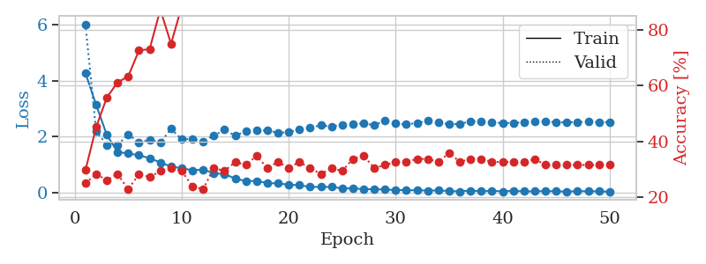
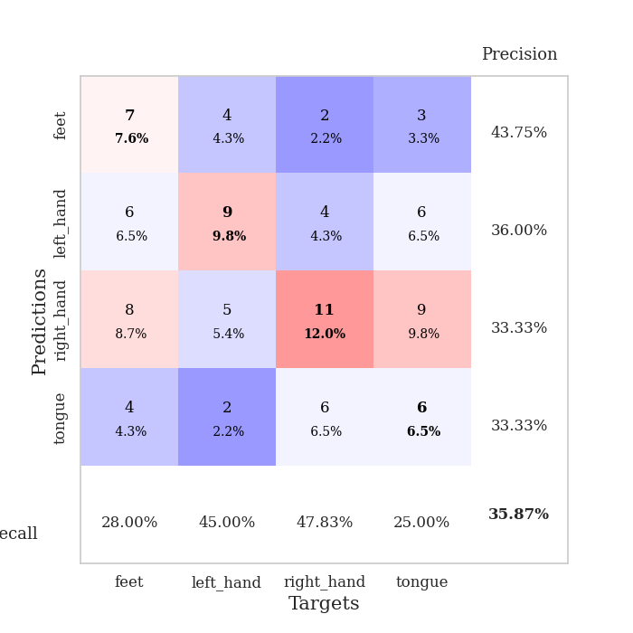
train_loss | valid_loss | train_accuracy | valid_accuracy | dur | train_misclass | valid_misclass
4.2664799276 | 6.0122000653 | 0.29619565217 | 0.25 | 0.1156771183 | 29.619565217 | 25
3.134001991 | 2.1907622814 | 0.45108695652 | 0.28260869565 | 0.1069893837 | 45.108695652 | 28.260869565
2.056426069 | 1.7072617956 | 0.55706521739 | 0.26086956522 | 0.11738753319 | 55.706521739 | 26.086956522
1.452300362 | 1.6978490353 | 0.61141304348 | 0.28260869565 | 0.10875058174 | 61.141304348 | 28.260869565
1.3942544383 | 2.081940454 | 0.63315217391 | 0.22826086957 | 0.10870289803 | 63.315217391 | 22.826086957
1.3363966294 | 1.7796305314 | 0.72554347826 | 0.28260869565 | 0.11101126671 | 72.554347826 | 28.260869565
1.2272666434 | 1.8964650735 | 0.73097826087 | 0.27173913043 | 0.11018133163 | 73.097826087 | 27.173913043
1.0779243837 | 1.7823308188 | 0.8722826087 | 0.29347826087 | 0.10894107819 | 87.22826087 | 29.347826087
0.92842527835 | 2.2783160313 | 0.75 | 0.30434782609 | 0.10889148712 | 75 | 30.434782609
0.87114055131 | 1.8987485119 | 0.88315217391 | 0.29347826087 | 0.11201119423 | 88.315217391 | 29.347826087
0.79712499484 | 1.9222219923 | 0.91847826087 | 0.23913043478 | 0.11245632172 | 91.847826087 | 23.913043478
0.82109432765 | 1.8321540926 | 0.96739130435 | 0.22826086957 | 0.1042611599 | 96.739130435 | 22.826086957
0.69790509343 | 2.0361012687 | 0.97010869565 | 0.30434782609 | 0.10308885574 | 97.010869565 | 30.434782609
0.65606929686 | 2.2436493635 | 0.9347826087 | 0.29347826087 | 0.11342835426 | 93.47826087 | 29.347826087
0.50592170721 | 2.0288407181 | 0.98913043478 | 0.32608695652 | 0.10782074928 | 98.913043478 | 32.608695652
0.40877292921 | 2.1971309496 | 0.98913043478 | 0.3152173913 | 0.10629868507 | 98.913043478 | 31.52173913
0.4198889078 | 2.2283473533 | 1 | 0.34782608696 | 0.10772943497 | 100 | 34.782608696
0.33988591705 | 2.2187196172 | 1 | 0.30434782609 | 0.10731434822 | 100 | 30.434782609
0.32998102677 | 2.1369324456 | 0.9972826087 | 0.32608695652 | 0.10992145538 | 99.72826087 | 32.608695652
0.28123242505 | 2.1562365138 | 1 | 0.30434782609 | 0.10463309288 | 100 | 30.434782609
0.26397753604 | 2.2533128054 | 1 | 0.32608695652 | 0.11012363434 | 100 | 32.608695652
0.20494410072 | 2.3188596808 | 1 | 0.30434782609 | 0.10657429695 | 100 | 30.434782609
0.2023439754 | 2.4033825087 | 1 | 0.28260869565 | 0.10903835297 | 100 | 28.260869565
0.20156006142 | 2.3563611404 | 1 | 0.30434782609 | 0.1114282608 | 100 | 30.434782609
0.15220607736 | 2.426528713 | 1 | 0.29347826087 | 0.10051655769 | 100 | 29.347826087
0.15625298582 | 2.4424138587 | 1 | 0.33695652174 | 0.10552310944 | 100 | 33.695652174
0.12074102251 | 2.4733039089 | 1 | 0.34782608696 | 0.10795545578 | 100 | 34.782608696
0.1255650918 | 2.4071324805 | 1 | 0.30434782609 | 0.11031365395 | 100 | 30.434782609
0.10631174432 | 2.5713048292 | 1 | 0.3152173913 | 0.10684466362 | 100 | 31.52173913
0.093571087912 | 2.46396638 | 1 | 0.32608695652 | 0.11172962189 | 100 | 32.608695652
0.084716064046 | 2.438031435 | 1 | 0.32608695652 | 0.11292815208 | 100 | 32.608695652
0.083839318148 | 2.4856145797 | 1 | 0.33695652174 | 0.11383080482 | 100 | 33.695652174
0.074662859835 | 2.5689398206 | 1 | 0.33695652174 | 0.10470366478 | 100 | 33.695652174
0.075504187818 | 2.5119369341 | 1 | 0.32608695652 | 0.10376572609 | 100 | 32.608695652
0.058591531509 | 2.4346455387 | 1 | 0.35869565217 | 0.10946083069 | 100 | 35.869565217
0.042662072441 | 2.456636999 | 1 | 0.32608695652 | 0.1182448864 | 100 | 32.608695652
0.07434682378 | 2.5446269719 | 1 | 0.33695652174 | 0.10857057571 | 100 | 33.695652174
0.044850564683 | 2.5346279974 | 1 | 0.33695652174 | 0.11086535454 | 100 | 33.695652174
0.066830728203 | 2.5092139555 | 1 | 0.32608695652 | 0.11021518707 | 100 | 32.608695652
0.042771296657 | 2.4824841022 | 1 | 0.32608695652 | 0.10782384872 | 100 | 32.608695652
0.065902842938 | 2.488910986 | 1 | 0.32608695652 | 0.11302280426 | 100 | 32.608695652
0.044853692591 | 2.5103002113 | 1 | 0.32608695652 | 0.11179041862 | 100 | 32.608695652
0.043955628112 | 2.5523163236 | 1 | 0.33695652174 | 0.11160326004 | 100 | 33.695652174
0.057681500244 | 2.5447682712 | 1 | 0.3152173913 | 0.10585737228 | 100 | 31.52173913
0.047898469817 | 2.5111215322 | 1 | 0.3152173913 | 0.10545325279 | 100 | 31.52173913
0.036086514106 | 2.5091916271 | 1 | 0.3152173913 | 0.1018614769 | 100 | 31.52173913
0.054810128904 | 2.5214367638 | 1 | 0.3152173913 | 0.10896754265 | 100 | 31.52173913
0.04829057387 | 2.5254299226 | 1 | 0.3152173913 | 0.10972833633 | 100 | 31.52173913
0.045007068866 | 2.5216080624 | 1 | 0.3152173913 | 0.11702799797 | 100 | 31.52173913
0.035824789706 | 2.512828858 | 1 | 0.3152173913 | 0.11759853363 | 100 | 31.52173913

Best Val accuracy is 0.358695652173913 and Best test accuracy is 0.3017241379310345

Sheet5
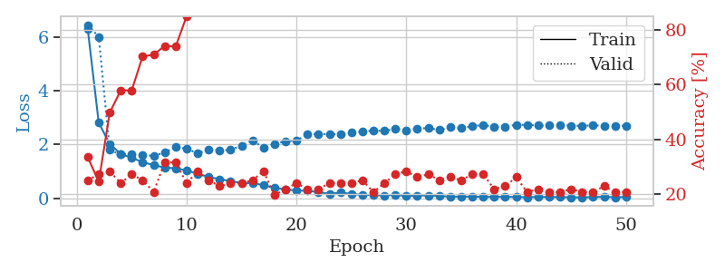
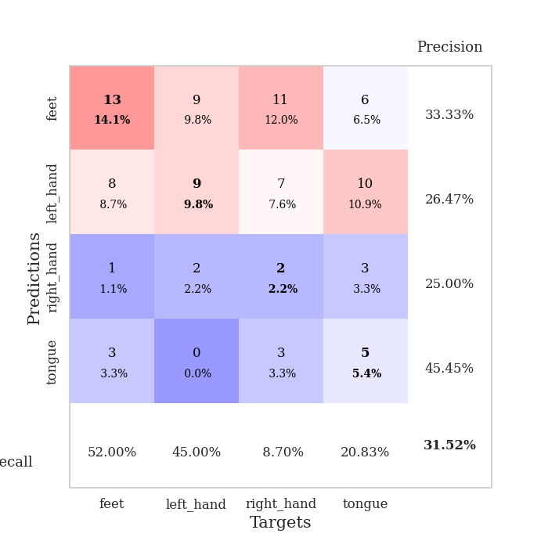
train_loss | valid_loss | train_accuracy | valid_accuracy | dur | train_misclass | valid_misclass
6.3003038531 | 6.4569208104 | 0.33423913043 | 0.25 | 0.10798811913 | 33.423913043 | 25
2.8120774186 | 6.0154116465 | 0.24456521739 | 0.27173913043 | 0.11306500435 | 24.456521739 | 27.173913043
2.0306156563 | 1.7980746653 | 0.4972826087 | 0.28260869565 | 0.11311817169 | 49.72826087 | 28.260869565
1.6493618385 | 1.6291258646 | 0.57880434783 | 0.23913043478 | 0.1061565876 | 57.880434783 | 23.913043478
1.5080035303 | 1.6540566268 | 0.57880434783 | 0.27173913043 | 0.11198759079 | 57.880434783 | 27.173913043
1.3475060359 | 1.6253173818 | 0.70380434783 | 0.25 | 0.10490608215 | 70.380434783 | 25
1.233932889 | 1.5746567197 | 0.70923913043 | 0.20652173913 | 0.11149144173 | 70.923913043 | 20.652173913
1.1475729243 | 1.7099636638 | 0.74184782609 | 0.3152173913 | 0.10844898224 | 74.184782609 | 31.52173913
1.113896484 | 1.904525591 | 0.73913043478 | 0.3152173913 | 0.11109209061 | 73.913043478 | 31.52173913
1.0412770328 | 1.8498814624 | 0.85054347826 | 0.23913043478 | 0.11117386818 | 85.054347826 | 23.913043478
0.90979787319 | 1.6684415133 | 0.91847826087 | 0.28260869565 | 0.11038589478 | 91.847826087 | 28.260869565
0.79852183876 | 1.8191814837 | 0.89673913043 | 0.25 | 0.11244750023 | 89.673913043 | 25
0.71212032826 | 1.7792052082 | 0.94293478261 | 0.22826086957 | 0.11195278168 | 94.293478261 | 22.826086957
0.64179503399 | 1.8039073529 | 0.97826086957 | 0.23913043478 | 0.10202932358 | 97.826086957 | 23.913043478
0.56754323063 | 1.9605090411 | 0.98641304348 | 0.23913043478 | 0.10352158546 | 98.641304348 | 23.913043478
0.56836784663 | 2.1554151514 | 0.97554347826 | 0.25 | 0.10641622543 | 97.554347826 | 25
0.4859435053 | 1.8794626568 | 0.99456521739 | 0.28260869565 | 0.10212087631 | 99.456521739 | 28.260869565
0.38772951714 | 2.0317096192 | 0.99456521739 | 0.19565217391 | 0.10648918152 | 99.456521739 | 19.565217391
0.33346922696 | 2.1200139419 | 1 | 0.21739130435 | 0.10897040367 | 100 | 21.739130435
0.2872341259 | 2.1492432615 | 0.9972826087 | 0.23913043478 | 0.11156249046 | 99.72826087 | 23.913043478
0.2821912704 | 2.3718638835 | 1 | 0.21739130435 | 0.11266684532 | 100 | 21.739130435
0.22962205889 | 2.3963355914 | 1 | 0.21739130435 | 0.10992860794 | 100 | 21.739130435
0.16355677143 | 2.384415243 | 1 | 0.23913043478 | 0.11139941216 | 100 | 23.913043478
0.21336927654 | 2.3808576542 | 1 | 0.23913043478 | 0.11209368706 | 100 | 23.913043478
0.16042292879 | 2.4393056061 | 1 | 0.23913043478 | 0.10891246796 | 100 | 23.913043478
0.12883583359 | 2.4936930304 | 1 | 0.25 | 0.11225318909 | 100 | 25
0.12049098394 | 2.5175292181 | 1 | 0.20652173913 | 0.10910534859 | 100 | 20.652173913
0.10408521735 | 2.5073980456 | 1 | 0.23913043478 | 0.11267828941 | 100 | 23.913043478
0.13028679367 | 2.5844358569 | 1 | 0.27173913043 | 0.10361766815 | 100 | 27.173913043
0.076814172708 | 2.5361535238 | 1 | 0.28260869565 | 0.11012268066 | 100 | 28.260869565
0.10038646979 | 2.5931549383 | 1 | 0.26086956522 | 0.10747146606 | 100 | 26.086956522
0.10504366838 | 2.6164051242 | 1 | 0.27173913043 | 0.10881185532 | 100 | 27.173913043
0.085000987124 | 2.5418677641 | 1 | 0.25 | 0.10573148727 | 100 | 25
0.059899137558 | 2.6614380297 | 1 | 0.26086956522 | 0.11044168472 | 100 | 26.086956522
0.060813273911 | 2.6109874041 | 1 | 0.25 | 0.11023044586 | 100 | 25
0.060927536824 | 2.6811015813 | 1 | 0.27173913043 | 0.10026025772 | 100 | 27.173913043
0.052198151491 | 2.7326970619 | 1 | 0.27173913043 | 0.10431957245 | 100 | 27.173913043
0.051531036344 | 2.6590770949 | 1 | 0.21739130435 | 0.11590480804 | 100 | 21.739130435
0.055569582052 | 2.6604847182 | 1 | 0.22826086957 | 0.10129213333 | 100 | 22.826086957
0.047243527299 | 2.7415010203 | 1 | 0.26086956522 | 0.10802340508 | 100 | 26.086956522
0.038561331513 | 2.7296806107 | 1 | 0.20652173913 | 0.10809183121 | 100 | 20.652173913
0.049035719596 | 2.7086025736 | 1 | 0.21739130435 | 0.10863685608 | 100 | 21.739130435
0.047305589319 | 2.7136453442 | 1 | 0.20652173913 | 0.109344244 | 100 | 20.652173913
0.044250963762 | 2.7387611244 | 1 | 0.20652173913 | 0.10885715485 | 100 | 20.652173913
0.03679355491 | 2.7011494948 | 1 | 0.21739130435 | 0.10738396645 | 100 | 21.739130435
0.032237232136 | 2.7035218633 | 1 | 0.20652173913 | 0.10871696472 | 100 | 20.652173913
0.042839640792 | 2.7118808601 | 1 | 0.20652173913 | 0.10898518562 | 100 | 20.652173913
0.055989207457 | 2.7069776162 | 1 | 0.22826086957 | 0.10677981377 | 100 | 22.826086957
0.037893052537 | 2.6987147539 | 1 | 0.20652173913 | 0.1096842289 | 100 | 20.652173913
0.046503918286 | 2.703543663 | 1 | 0.20652173913 | 0.10885000229 | 100 | 20.652173913

Best Val accuracy is 0.31521739130434784 and Best test accuracy is 0.3103448275862069

Sheet6
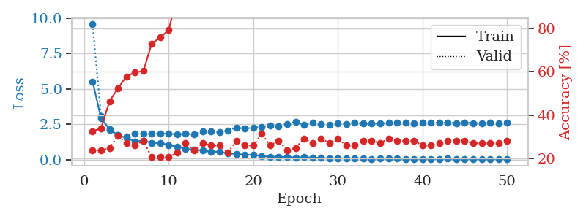
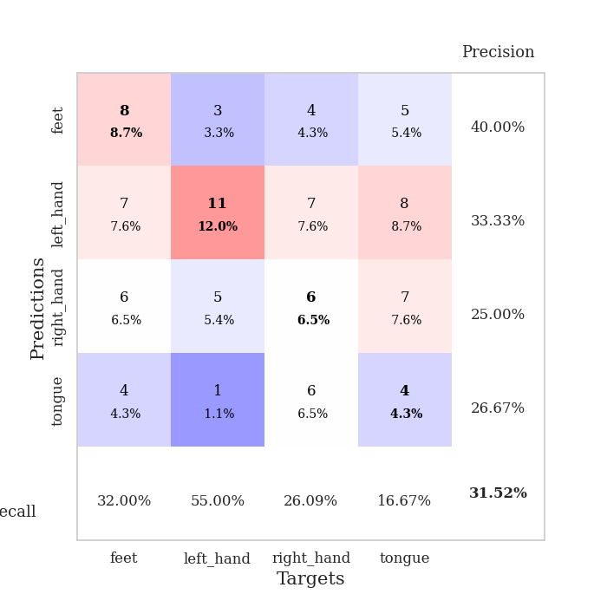
train_loss | valid_loss | train_accuracy | valid_accuracy | dur | train_misclass | valid_misclass
5.5268633055 | 9.563726052 | 0.32608695652 | 0.23913043478 | 0.11198616028 | 32.608695652 | 23.913043478
2.9214541238 | 3.0716966131 | 0.33967391304 | 0.23913043478 | 0.10635471344 | 33.967391304 | 23.913043478
2.1448686797 | 2.0760838778 | 0.46467391304 | 0.25 | 0.10909414291 | 46.467391304 | 25
1.7191518182 | 1.716675494 | 0.52445652174 | 0.30434782609 | 0.10871481895 | 52.445652174 | 30.434782609
1.5393873971 | 1.652903759 | 0.57880434783 | 0.27173913043 | 0.10364127159 | 57.880434783 | 27.173913043
1.2883083069 | 1.8554909022 | 0.59782608696 | 0.26086956522 | 0.10535216331 | 59.782608696 | 26.086956522
1.3438499466 | 1.8144836115 | 0.60326086957 | 0.28260869565 | 0.1062734127 | 60.326086957 | 28.260869565
1.179435901 | 1.8299519497 | 0.73097826087 | 0.20652173913 | 0.10952925682 | 73.097826087 | 20.652173913
1.1712328999 | 1.8365577926 | 0.75815217391 | 0.20652173913 | 0.10960125923 | 75.815217391 | 20.652173913
1.0304341757 | 1.8289749726 | 0.79347826087 | 0.20652173913 | 0.10793375969 | 79.347826087 | 20.652173913
0.91363391151 | 1.79412536 | 0.94836956522 | 0.22826086957 | 0.11295485497 | 94.836956522 | 22.826086957
0.7726581589 | 1.8150505709 | 0.94565217391 | 0.27173913043 | 0.10970306396 | 94.565217391 | 27.173913043
0.6777502091 | 1.8072150479 | 0.94293478261 | 0.23913043478 | 0.10806870461 | 94.293478261 | 23.913043478
0.65461218487 | 2.0070085526 | 0.9347826087 | 0.27173913043 | 0.10698652267 | 93.47826087 | 27.173913043
0.55959359071 | 1.9953867145 | 0.98913043478 | 0.26086956522 | 0.10763072968 | 98.913043478 | 26.086956522
0.55851253478 | 1.9436205885 | 0.99456521739 | 0.26086956522 | 0.10975551605 | 99.456521739 | 26.086956522
0.43124083138 | 2.0660238266 | 0.98641304348 | 0.22826086957 | 0.10606694221 | 98.641304348 | 22.826086957
0.40142151389 | 2.2503292975 | 1 | 0.28260869565 | 0.11054587364 | 100 | 28.260869565
0.34323887397 | 2.1895534681 | 1 | 0.26086956522 | 0.11271858215 | 100 | 26.086956522
0.33987692517 | 2.257990495 | 0.9972826087 | 0.26086956522 | 0.10747671127 | 99.72826087 | 26.086956522
0.24541245433 | 2.3282021958 | 0.9972826087 | 0.3152173913 | 0.11171603203 | 99.72826087 | 31.52173913
0.21046130942 | 2.3995754719 | 1 | 0.26086956522 | 0.10801625252 | 100 | 26.086956522
0.18553515329 | 2.3436182271 | 1 | 0.28260869565 | 0.10427474976 | 100 | 28.260869565
0.18163090718 | 2.4958400104 | 1 | 0.23913043478 | 0.10881304741 | 100 | 23.913043478
0.15840367309 | 2.6816042921 | 1 | 0.25 | 0.10854387283 | 100 | 25
0.16198947977 | 2.4441420825 | 1 | 0.29347826087 | 0.1157617569 | 100 | 29.347826087
0.14281975089 | 2.627541511 | 1 | 0.27173913043 | 0.10155081749 | 100 | 27.173913043
0.11500780511 | 2.4926220438 | 1 | 0.29347826087 | 0.11075639725 | 100 | 29.347826087
0.085872605686 | 2.4634216454 | 1 | 0.27173913043 | 0.10785770416 | 100 | 27.173913043
0.097886073201 | 2.5524495892 | 1 | 0.29347826087 | 0.11274862289 | 100 | 29.347826087
0.082091206118 | 2.5336371608 | 1 | 0.26086956522 | 0.1094865799 | 100 | 26.086956522
0.097780231791 | 2.6022251171 | 1 | 0.26086956522 | 0.10868597031 | 100 | 26.086956522
0.072814212059 | 2.5383850388 | 1 | 0.28260869565 | 0.10669851303 | 100 | 28.260869565
0.054728472322 | 2.5399892434 | 1 | 0.28260869565 | 0.1094045639 | 100 | 28.260869565
0.062334435223 | 2.5599240842 | 1 | 0.27173913043 | 0.11247086525 | 100 | 27.173913043
0.060408634579 | 2.5960293127 | 1 | 0.29347826087 | 0.10572218895 | 100 | 29.347826087
0.061180738894 | 2.6337408501 | 1 | 0.28260869565 | 0.10782575607 | 100 | 28.260869565
0.046150864669 | 2.6036015593 | 1 | 0.28260869565 | 0.10477876663 | 100 | 28.260869565
0.052123985132 | 2.5832248563 | 1 | 0.28260869565 | 0.11165094376 | 100 | 28.260869565
0.049542140661 | 2.6102543914 | 1 | 0.26086956522 | 0.10470867157 | 100 | 26.086956522
0.049645923301 | 2.6210068101 | 1 | 0.26086956522 | 0.10465216637 | 100 | 26.086956522
0.042193494332 | 2.6041757749 | 1 | 0.27173913043 | 0.10738110542 | 100 | 27.173913043
0.059629481367 | 2.6085054667 | 1 | 0.28260869565 | 0.11007261276 | 100 | 28.260869565
0.042407458 | 2.5858016429 | 1 | 0.28260869565 | 0.10754442215 | 100 | 28.260869565
0.044403896951 | 2.596274604 | 1 | 0.28260869565 | 0.11124515533 | 100 | 28.260869565
0.035085409272 | 2.5861258818 | 1 | 0.27173913043 | 0.10727596283 | 100 | 27.173913043
0.043523675924 | 2.5798919408 | 1 | 0.27173913043 | 0.10885453224 | 100 | 27.173913043
0.041407613975 | 2.5999014585 | 1 | 0.27173913043 | 0.11043667793 | 100 | 27.173913043
0.051871924742 | 2.5811624216 | 1 | 0.27173913043 | 0.10943222046 | 100 | 27.173913043
0.030317526797 | 2.6218409849 | 1 | 0.28260869565 | 0.10404324532 | 100 | 28.260869565

Best Val accuracy is 0.31521739130434784 and Best test accuracy is 0.31896551724137934

Sheet7
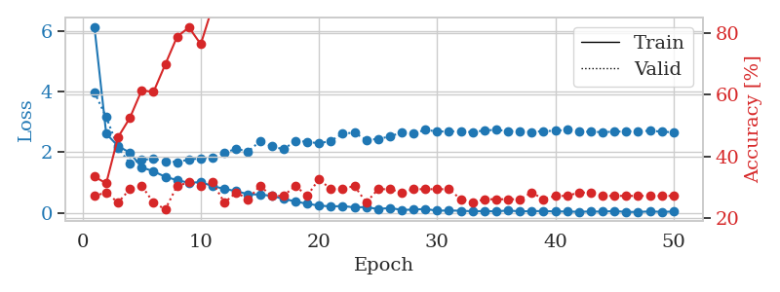
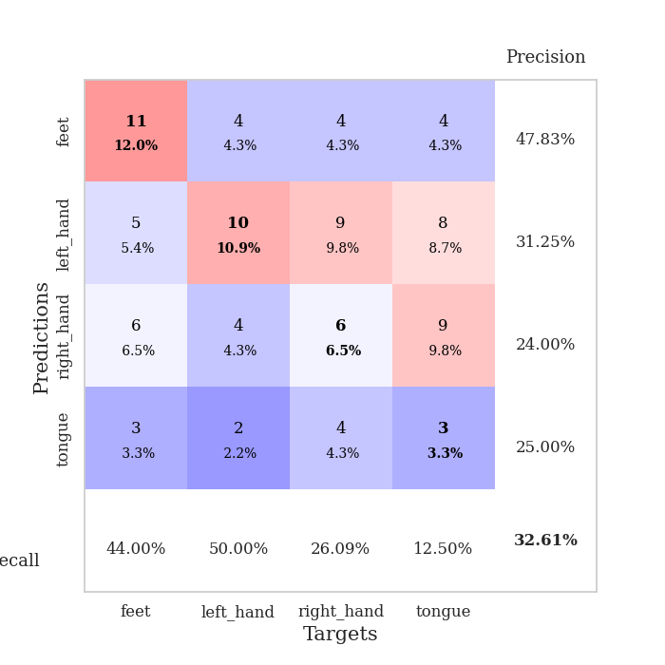
train_loss | valid_loss | train_accuracy | valid_accuracy | dur | train_misclass | valid_misclass
6.1294656318 | 3.9748710964 | 0.33423913043 | 0.27173913043 | 0.10620522499 | 33.423913043 | 27.173913043
2.610506291 | 3.1588259262 | 0.3125 | 0.28260869565 | 0.10656023026 | 31.25 | 28.260869565
2.206259572 | 2.1479960525 | 0.46195652174 | 0.25 | 0.11166000366 | 46.195652174 | 25
1.9863056748 | 1.6315414595 | 0.52445652174 | 0.29347826087 | 0.10823178291 | 52.445652174 | 29.347826087
1.5052135068 | 1.7589923662 | 0.61413043478 | 0.30434782609 | 0.11574077606 | 61.413043478 | 30.434782609
1.3737704832 | 1.776112883 | 0.60869565217 | 0.25 | 0.10704016685 | 60.869565217 | 25
1.1923669732 | 1.7082226173 | 0.69836956522 | 0.22826086957 | 0.10877513885 | 69.836956522 | 22.826086957
1.0833803726 | 1.6779489725 | 0.78804347826 | 0.30434782609 | 0.11007547379 | 78.804347826 | 30.434782609
0.99629610259 | 1.7605541478 | 0.81793478261 | 0.3152173913 | 0.1122481823 | 81.793478261 | 31.52173913
1.0180266318 | 1.8038997598 | 0.76358695652 | 0.30434782609 | 0.11255717278 | 76.358695652 | 30.434782609
0.88689307285 | 1.8219604129 | 0.88586956522 | 0.3152173913 | 0.10844135284 | 88.586956522 | 31.52173913
0.79451448114 | 1.9788012919 | 0.89945652174 | 0.25 | 0.11179184914 | 89.945652174 | 25
0.72246256212 | 2.1184563015 | 0.95380434783 | 0.28260869565 | 0.11128568649 | 95.380434783 | 28.260869565
0.62007963917 | 2.0212250326 | 0.96195652174 | 0.26086956522 | 0.11337566376 | 96.195652174 | 26.086956522
0.60957814818 | 2.359953927 | 0.95380434783 | 0.30434782609 | 0.11042261124 | 95.380434783 | 30.434782609
0.56758488002 | 2.1993407478 | 0.98097826087 | 0.27173913043 | 0.10780882835 | 98.097826087 | 27.173913043
0.46549379858 | 2.0972296207 | 0.9972826087 | 0.27173913043 | 0.11092042923 | 99.72826087 | 27.173913043
0.38375759578 | 2.3726728636 | 0.99184782609 | 0.30434782609 | 0.1130194664 | 99.184782609 | 30.434782609
0.30362512592 | 2.3475593484 | 1 | 0.27173913043 | 0.10992097855 | 100 | 27.173913043
0.24930281305 | 2.2935956406 | 1 | 0.32608695652 | 0.11175322533 | 100 | 32.608695652
0.21663206071 | 2.3737506244 | 1 | 0.29347826087 | 0.10298514366 | 100 | 29.347826087
0.23173616924 | 2.6138744458 | 1 | 0.29347826087 | 0.10272502899 | 100 | 29.347826087
0.1867675237 | 2.6462278781 | 1 | 0.30434782609 | 0.1080031395 | 100 | 30.434782609
0.19612251659 | 2.4079751554 | 1 | 0.25 | 0.10837030411 | 100 | 25
0.13124970986 | 2.437708497 | 1 | 0.29347826087 | 0.10492753983 | 100 | 29.347826087
0.16881255822 | 2.5187631431 | 1 | 0.29347826087 | 0.10930156708 | 100 | 29.347826087
0.10314243773 | 2.653560172 | 1 | 0.28260869565 | 0.10536265373 | 100 | 28.260869565
0.11366507784 | 2.6174598984 | 1 | 0.29347826087 | 0.10588431358 | 100 | 29.347826087
0.13583482502 | 2.7409631066 | 1 | 0.29347826087 | 0.11267328262 | 100 | 29.347826087
0.076747119184 | 2.6814770543 | 1 | 0.29347826087 | 0.10417747498 | 100 | 29.347826087
0.084510857968 | 2.6903207147 | 1 | 0.29347826087 | 0.10503387451 | 100 | 29.347826087
0.075705627951 | 2.6847218949 | 1 | 0.26086956522 | 0.10837769508 | 100 | 26.086956522
0.059090146309 | 2.6620452715 | 1 | 0.25 | 0.10949134827 | 100 | 25
0.065029233411 | 2.7207315175 | 1 | 0.26086956522 | 0.10268568993 | 100 | 26.086956522
0.056362243207 | 2.7361966216 | 1 | 0.26086956522 | 0.11616921425 | 100 | 26.086956522
0.08425266984 | 2.6993715763 | 1 | 0.26086956522 | 0.1085793972 | 100 | 26.086956522
0.055111217596 | 2.6862523659 | 1 | 0.26086956522 | 0.10381770134 | 100 | 26.086956522
0.063487403054 | 2.6694590112 | 1 | 0.28260869565 | 0.11058330536 | 100 | 28.260869565
0.064960565823 | 2.696598478 | 1 | 0.26086956522 | 0.11167120934 | 100 | 26.086956522
0.054213700411 | 2.7062788528 | 1 | 0.27173913043 | 0.10876560211 | 100 | 27.173913043
0.050134631603 | 2.7410664973 | 1 | 0.27173913043 | 0.11101675034 | 100 | 27.173913043
0.042095494619 | 2.6760764433 | 1 | 0.28260869565 | 0.10745215416 | 100 | 28.260869565
0.051536108732 | 2.6747295649 | 1 | 0.28260869565 | 0.10969495773 | 100 | 28.260869565
0.047104502502 | 2.6637033898 | 1 | 0.27173913043 | 0.1089823246 | 100 | 27.173913043
0.066473093127 | 2.6777984889 | 1 | 0.27173913043 | 0.10476350784 | 100 | 27.173913043
0.037222173915 | 2.68755749 | 1 | 0.27173913043 | 0.10662174225 | 100 | 27.173913043
0.037001214031 | 2.6982338843 | 1 | 0.27173913043 | 0.10363841057 | 100 | 27.173913043
0.053079518692 | 2.7047042328 | 1 | 0.27173913043 | 0.11192464828 | 100 | 27.173913043
0.041602208077 | 2.6823455043 | 1 | 0.27173913043 | 0.10545229912 | 100 | 27.173913043
0.047794866943 | 2.6544691894 | 1 | 0.27173913043 | 0.10829591751 | 100 | 27.173913043

Best Val accuracy is 0.32608695652173914 and Best test accuracy is 0.31896551724137934

Sheet8
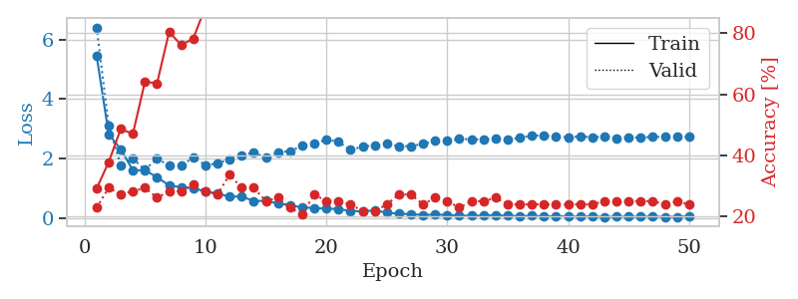
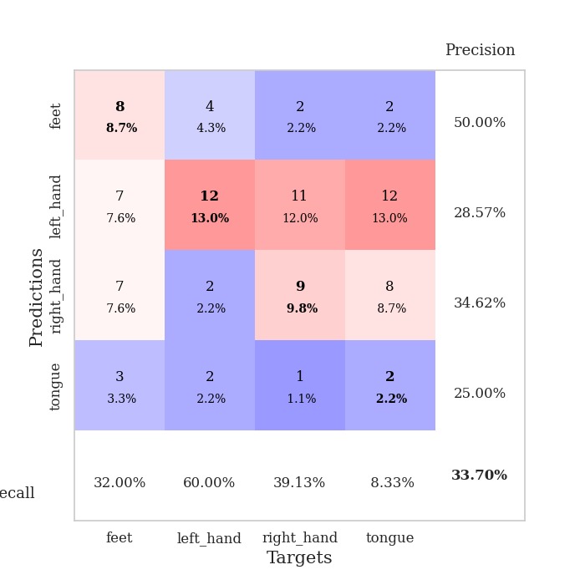
train_loss | valid_loss | train_accuracy | valid_accuracy | dur | train_misclass | valid_misclass
5.4619810892 | 6.4078029342 | 0.29076086957 | 0.22826086957 | 0.10900115967 | 29.076086957 | 22.826086957
2.8204032338 | 3.120978117 | 0.3777173913 | 0.29347826087 | 0.10316562653 | 37.77173913 | 29.347826087
2.3117405798 | 1.76964 | 0.48641304348 | 0.27173913043 | 0.1097342968 | 48.641304348 | 27.173913043
1.6016005278 | 1.993976479 | 0.47010869565 | 0.28260869565 | 0.10783720016 | 47.010869565 | 28.260869565
1.6035059794 | 1.6254042802 | 0.64130434783 | 0.29347826087 | 0.11039352417 | 64.130434783 | 29.347826087
1.3712720145 | 1.9938870409 | 0.63586956522 | 0.26086956522 | 0.10840654373 | 63.586956522 | 26.086956522
1.0925235593 | 1.7679589935 | 0.80434782609 | 0.28260869565 | 0.1075489521 | 80.434782609 | 28.260869565
1.0349076364 | 1.7601934827 | 0.76086956522 | 0.28260869565 | 0.10648202896 | 76.086956522 | 28.260869565
0.99974719597 | 2.0331544669 | 0.78260869565 | 0.30434782609 | 0.1085999012 | 78.260869565 | 30.434782609
0.89038056135 | 1.775839816 | 0.88586956522 | 0.28260869565 | 0.10828447342 | 88.586956522 | 28.260869565
0.82565222227 | 1.8351296446 | 0.91847826087 | 0.27173913043 | 0.10707950592 | 91.847826087 | 27.173913043
0.71327146369 | 1.9782710594 | 0.93206521739 | 0.33695652174 | 0.11553668976 | 93.206521739 | 33.695652174
0.72497024873 | 2.108762399 | 0.95923913043 | 0.29347826087 | 0.11215138435 | 95.923913043 | 29.347826087
0.5643972301 | 2.2063201096 | 0.9402173913 | 0.29347826087 | 0.1073975563 | 94.02173913 | 29.347826087
0.58427426478 | 2.0299346654 | 0.97826086957 | 0.25 | 0.10183286667 | 97.826086957 | 25
0.48279725339 | 2.2118716033 | 0.99184782609 | 0.26086956522 | 0.1076695919 | 99.184782609 | 26.086956522
0.42552869605 | 2.244854274 | 0.9972826087 | 0.22826086957 | 0.10513043404 | 99.72826087 | 22.826086957
0.3572139293 | 2.4294618938 | 0.99456521739 | 0.20652173913 | 0.10237312317 | 99.456521739 | 20.652173913
0.33223796344 | 2.4892773317 | 0.99456521739 | 0.27173913043 | 0.10414981842 | 99.456521739 | 27.173913043
0.3137438077 | 2.6432895349 | 0.98097826087 | 0.25 | 0.1073949337 | 98.097826087 | 25
0.30240034344 | 2.5575410905 | 0.9972826087 | 0.25 | 0.10862517357 | 99.72826087 | 25
0.23442135136 | 2.2871308638 | 1 | 0.23913043478 | 0.10585951805 | 100 | 23.913043478
0.22109284155 | 2.4023111696 | 1 | 0.21739130435 | 0.10586714745 | 100 | 21.739130435
0.25663744043 | 2.4339074467 | 1 | 0.21739130435 | 0.1068778038 | 100 | 21.739130435
0.17618962798 | 2.4991612953 | 1 | 0.23913043478 | 0.10681962967 | 100 | 23.913043478
0.14382317533 | 2.4081523211 | 1 | 0.27173913043 | 0.11135864258 | 100 | 27.173913043
0.13063864264 | 2.4192464144 | 1 | 0.27173913043 | 0.10918784142 | 100 | 27.173913043
0.098433513923 | 2.4875388456 | 1 | 0.23913043478 | 0.11031985283 | 100 | 23.913043478
0.11489858899 | 2.5887178442 | 1 | 0.26086956522 | 0.11057162285 | 100 | 26.086956522
0.10075663451 | 2.58863673 | 1 | 0.25 | 0.11043095589 | 100 | 25
0.078323920541 | 2.6578227852 | 1 | 0.22826086957 | 0.11942195892 | 100 | 22.826086957
0.076773159449 | 2.6475363089 | 1 | 0.25 | 0.10866689682 | 100 | 25
0.079173610181 | 2.6375343178 | 1 | 0.25 | 0.10849404335 | 100 | 25
0.093222716013 | 2.665290335 | 1 | 0.26086956522 | 0.10780239105 | 100 | 26.086956522
0.075567896964 | 2.6250117447 | 1 | 0.23913043478 | 0.10916686058 | 100 | 23.913043478
0.062251100398 | 2.6993225243 | 1 | 0.23913043478 | 0.10570430756 | 100 | 23.913043478
0.074606648201 | 2.7627030352 | 1 | 0.23913043478 | 0.10372638702 | 100 | 23.913043478
0.049754898064 | 2.7774089938 | 1 | 0.23913043478 | 0.10933828354 | 100 | 23.913043478
0.061427356837 | 2.7248339238 | 1 | 0.23913043478 | 0.11304306984 | 100 | 23.913043478
0.048380506751 | 2.7196976724 | 1 | 0.23913043478 | 0.10471320152 | 100 | 23.913043478
0.045182981569 | 2.7375735615 | 1 | 0.23913043478 | 0.10543060303 | 100 | 23.913043478
0.0571055158 | 2.720560333 | 1 | 0.23913043478 | 0.10852384567 | 100 | 23.913043478
0.032002165185 | 2.7319982052 | 1 | 0.25 | 0.10682058334 | 100 | 25
0.045212193149 | 2.6854756086 | 1 | 0.25 | 0.11025238037 | 100 | 25
0.042718466554 | 2.7039247077 | 1 | 0.25 | 0.10285305977 | 100 | 25
0.040377158226 | 2.7043158801 | 1 | 0.25 | 0.10911011696 | 100 | 25
0.053193184709 | 2.7259039568 | 1 | 0.25 | 0.10653877258 | 100 | 25
0.033954986412 | 2.7267794816 | 1 | 0.23913043478 | 0.10419154167 | 100 | 23.913043478
0.038893351331 | 2.7341495286 | 1 | 0.25 | 0.10962414742 | 100 | 25
0.058766880802 | 2.7226709179 | 1 | 0.23913043478 | 0.11388707161 | 100 | 23.913043478

Best Val accuracy is 0.33695652173913043 and Best test accuracy is 0.3793103448275862

Sheet9
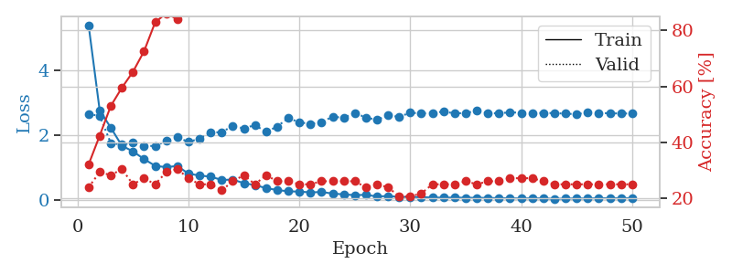
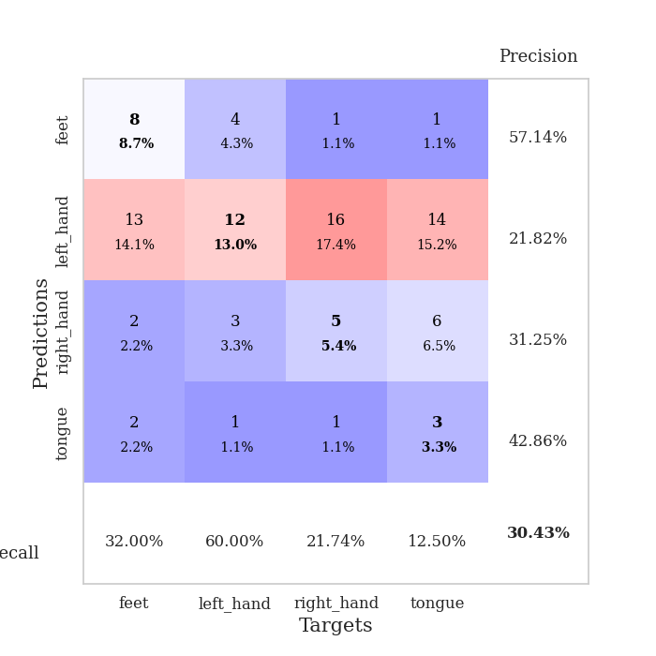
train_loss | valid_loss | train_accuracy | valid_accuracy | dur | train_misclass | valid_misclass
5.3819900181 | 2.6421845063 | 0.32065217391 | 0.23913043478 | 0.11137318611 | 32.065217391 | 23.913043478
2.7548151483 | 2.5848271847 | 0.42391304348 | 0.29347826087 | 0.10594010353 | 42.391304348 | 29.347826087
2.2248674216 | 1.7501095119 | 0.52989130435 | 0.28260869565 | 0.10807919502 | 52.989130435 | 28.260869565
1.6665834137 | 1.699803202 | 0.59510869565 | 0.30434782609 | 0.10814499855 | 59.510869565 | 30.434782609
1.4923457063 | 1.7566507329 | 0.65217391304 | 0.25 | 0.10258293152 | 65.217391304 | 25
1.2549969969 | 1.6570357447 | 0.72554347826 | 0.27173913043 | 0.10320854187 | 72.554347826 | 27.173913043
1.0483616668 | 1.6618696348 | 0.82880434783 | 0.25 | 0.10660052299 | 82.880434783 | 25
1.0056135525 | 1.8099076748 | 0.86141304348 | 0.29347826087 | 0.11108827591 | 86.141304348 | 29.347826087
1.0449318523 | 1.9296322284 | 0.83967391304 | 0.30434782609 | 0.11089777946 | 83.967391304 | 30.434782609
0.80457483038 | 1.7817814246 | 0.9402173913 | 0.27173913043 | 0.11222815514 | 94.02173913 | 27.173913043
0.75119779939 | 1.8850655763 | 0.95652173913 | 0.25 | 0.10972237587 | 95.652173913 | 25
0.71289371537 | 2.0675973892 | 0.94836956522 | 0.25 | 0.11227560043 | 94.836956522 | 25
0.6144204347 | 2.0889029399 | 0.97010869565 | 0.22826086957 | 0.10790252686 | 97.010869565 | 22.826086957
0.62326881225 | 2.2721776029 | 0.98369565217 | 0.26086956522 | 0.11327290535 | 98.369565217 | 26.086956522
0.51348963639 | 2.200924324 | 0.98369565217 | 0.28260869565 | 0.11324453354 | 98.369565217 | 28.260869565
0.45493280693 | 2.3030267073 | 0.99184782609 | 0.25 | 0.10704874992 | 99.184782609 | 25
0.3613859292 | 2.0922317816 | 1 | 0.28260869565 | 0.10978722572 | 100 | 28.260869565
0.30285995324 | 2.2565564798 | 0.9972826087 | 0.26086956522 | 0.11210870743 | 99.72826087 | 26.086956522
0.26343150502 | 2.5194332807 | 0.9972826087 | 0.26086956522 | 0.10798859596 | 99.72826087 | 26.086956522
0.25351183797 | 2.3892929243 | 1 | 0.25 | 0.10777139664 | 100 | 25
0.23056278831 | 2.3404499241 | 1 | 0.25 | 0.10692930222 | 100 | 25
0.24134072305 | 2.3943998503 | 1 | 0.26086956522 | 0.10762023926 | 100 | 26.086956522
0.19415223526 | 2.5607808466 | 1 | 0.26086956522 | 0.10949921608 | 100 | 26.086956522
0.16796258173 | 2.5287575203 | 1 | 0.26086956522 | 0.10748052597 | 100 | 26.086956522
0.14487885781 | 2.6766511565 | 1 | 0.26086956522 | 0.11360454559 | 100 | 26.086956522
0.15471352961 | 2.5359674951 | 1 | 0.23913043478 | 0.11003684998 | 100 | 23.913043478
0.10396357804 | 2.4617336004 | 1 | 0.25 | 0.11323237419 | 100 | 25
0.11769975738 | 2.6026189742 | 1 | 0.23913043478 | 0.10117292404 | 100 | 23.913043478
0.090902938062 | 2.5564172061 | 1 | 0.20652173913 | 0.10860943794 | 100 | 20.652173913
0.087265636772 | 2.6859282722 | 1 | 0.20652173913 | 0.1099820137 | 100 | 20.652173913
0.081961944537 | 2.6600368541 | 1 | 0.21739130435 | 0.11375832558 | 100 | 21.739130435
0.07099904371 | 2.6792117927 | 1 | 0.25 | 0.11368083954 | 100 | 25
0.067728565763 | 2.7189950114 | 1 | 0.25 | 0.10846138 | 100 | 25
0.069313096328 | 2.6640418612 | 1 | 0.25 | 0.10668826103 | 100 | 25
0.064474284689 | 2.6740980045 | 1 | 0.26086956522 | 0.10386109352 | 100 | 26.086956522
0.060904789311 | 2.7459558922 | 1 | 0.25 | 0.11622834206 | 100 | 25
0.060001101547 | 2.6703316958 | 1 | 0.26086956522 | 0.11232113838 | 100 | 26.086956522
0.051432528736 | 2.6664129236 | 1 | 0.26086956522 | 0.10951256752 | 100 | 26.086956522
0.047379644021 | 2.6965409465 | 1 | 0.27173913043 | 0.104408741 | 100 | 27.173913043
0.044084898844 | 2.680942411 | 1 | 0.27173913043 | 0.10338950157 | 100 | 27.173913043
0.046301696409 | 2.6770383275 | 1 | 0.27173913043 | 0.10973238945 | 100 | 27.173913043
0.045607909034 | 2.675955337 | 1 | 0.26086956522 | 0.10494399071 | 100 | 26.086956522
0.029870361434 | 2.6725467081 | 1 | 0.25 | 0.10930347443 | 100 | 25
0.039129607946 | 2.6539106887 | 1 | 0.25 | 0.10542106628 | 100 | 25
0.043398855295 | 2.6394762164 | 1 | 0.25 | 0.10929012299 | 100 | 25
0.040594185379 | 2.6887561031 | 1 | 0.25 | 0.11310768127 | 100 | 25
0.051171650624 | 2.6747420974 | 1 | 0.25 | 0.10335564613 | 100 | 25
0.047051916385 | 2.6666998138 | 1 | 0.25 | 0.1099114418 | 100 | 25
0.049804574203 | 2.6613311871 | 1 | 0.25 | 0.11064457893 | 100 | 25
0.050015477099 | 2.6597711211 | 1 | 0.25 | 0.10863137245 | 100 | 25

Best Val accuracy is 0.30434782608695654 and Best test accuracy is 0.3017241379310345

Sheet10
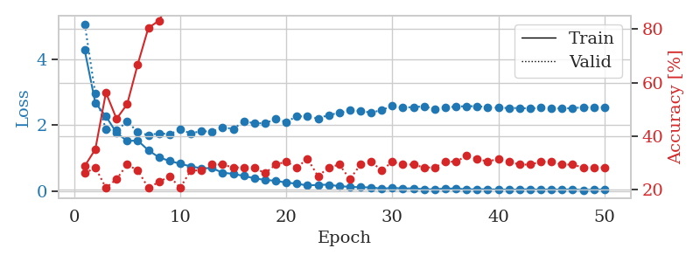
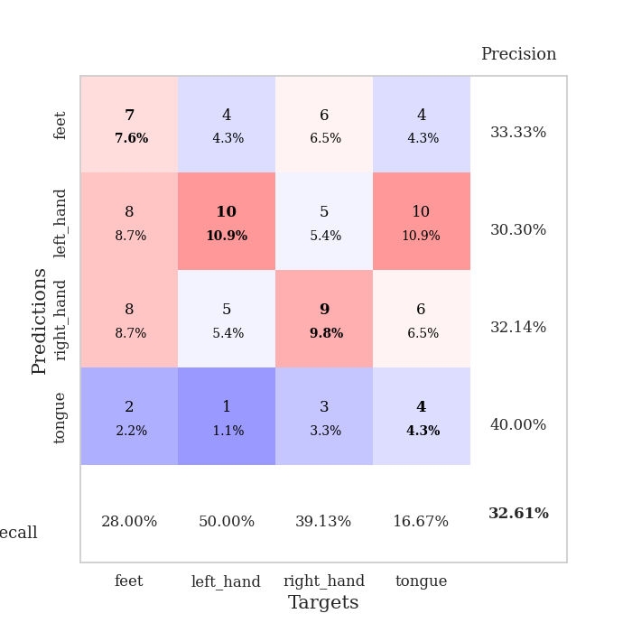
train_loss | valid_loss | train_accuracy | valid_accuracy | dur | train_misclass | valid_misclass
4.2691674181 | 5.0620510164 | 0.28804347826 | 0.26086956522 | 0.10631775856 | 28.804347826 | 26.086956522
2.6679484067 | 2.9482358331 | 0.35054347826 | 0.28260869565 | 0.10737061501 | 35.054347826 | 28.260869565
2.2683325825 | 1.8621571893 | 0.5625 | 0.20652173913 | 0.10850381851 | 56.25 | 20.652173913
1.7630563871 | 1.8359681523 | 0.46467391304 | 0.23913043478 | 0.11043190956 | 46.467391304 | 23.913043478
1.5216288774 | 2.1089286182 | 0.51902173913 | 0.29347826087 | 0.11500382423 | 51.902173913 | 29.347826087
1.531091291 | 1.790911265 | 0.66847826087 | 0.27173913043 | 0.10708332062 | 66.847826087 | 27.173913043
1.2391760712 | 1.6945571018 | 0.80434782609 | 0.20652173913 | 0.10926508904 | 80.434782609 | 20.652173913
1.0232637162 | 1.7542264772 | 0.83152173913 | 0.22826086957 | 0.1026904583 | 83.152173913 | 22.826086957
0.91577602988 | 1.7247374991 | 0.90489130435 | 0.25 | 0.1091375351 | 90.489130435 | 25
0.83035690111 | 1.8656228262 | 0.91304347826 | 0.20652173913 | 0.10539793968 | 91.304347826 | 20.652173913
0.74937472525 | 1.7519351244 | 0.95380434783 | 0.27173913043 | 0.10669445992 | 95.380434783 | 27.173913043
0.69188779074 | 1.818675886 | 0.94836956522 | 0.27173913043 | 0.10566735268 | 94.836956522 | 27.173913043
0.69960792039 | 1.8015200211 | 0.98097826087 | 0.29347826087 | 0.10744690895 | 98.097826087 | 29.347826087
0.55734140458 | 1.9372696773 | 0.97826086957 | 0.29347826087 | 0.099875688553 | 97.826086957 | 29.347826087
0.52507695944 | 1.882889929 | 0.98913043478 | 0.28260869565 | 0.11515641212 | 98.913043478 | 28.260869565
0.4598256207 | 2.1109161688 | 0.96739130435 | 0.28260869565 | 0.10663437843 | 96.739130435 | 28.260869565
0.39022605834 | 2.0594599921 | 0.9972826087 | 0.28260869565 | 0.10972356796 | 99.72826087 | 28.260869565
0.33815464701 | 2.055453316 | 0.9972826087 | 0.26086956522 | 0.10743117332 | 99.72826087 | 26.086956522
0.31598375414 | 2.1865068985 | 0.99456521739 | 0.29347826087 | 0.10928058624 | 99.456521739 | 29.347826087
0.25647103527 | 2.0947644037 | 1 | 0.30434782609 | 0.105935812 | 100 | 30.434782609
0.22851057869 | 2.2692858551 | 1 | 0.28260869565 | 0.10777115822 | 100 | 28.260869565
0.16848314489 | 2.2594275993 | 1 | 0.3152173913 | 0.10788798332 | 100 | 31.52173913
0.19321222927 | 2.2012316766 | 1 | 0.25 | 0.10881018639 | 100 | 25
0.19427563201 | 2.3067148768 | 1 | 0.28260869565 | 0.1077568531 | 100 | 28.260869565
0.15041544434 | 2.3709715242 | 1 | 0.29347826087 | 0.10764026642 | 100 | 29.347826087
0.13202192553 | 2.4521766746 | 1 | 0.23913043478 | 0.10267949104 | 100 | 23.913043478
0.11624962618 | 2.4281994882 | 1 | 0.29347826087 | 0.1080224514 | 100 | 29.347826087
0.11484664144 | 2.3777699367 | 1 | 0.30434782609 | 0.10411381721 | 100 | 30.434782609
0.073632715594 | 2.4566522474 | 1 | 0.27173913043 | 0.10344171524 | 100 | 27.173913043
0.10030175292 | 2.5794265478 | 1 | 0.30434782609 | 0.10721540451 | 100 | 30.434782609
0.080529055396 | 2.5270610167 | 1 | 0.29347826087 | 0.1142411232 | 100 | 29.347826087
0.085315224877 | 2.5489441312 | 1 | 0.29347826087 | 0.10882735252 | 100 | 29.347826087
0.058662946619 | 2.5651302441 | 1 | 0.28260869565 | 0.10561871529 | 100 | 28.260869565
0.056303339929 | 2.4885048763 | 1 | 0.28260869565 | 0.11033034325 | 100 | 28.260869565
0.080408960581 | 2.5315931051 | 1 | 0.30434782609 | 0.11441922188 | 100 | 30.434782609
0.078532566357 | 2.562995921 | 1 | 0.30434782609 | 0.10393667221 | 100 | 30.434782609
0.056402001773 | 2.5722454838 | 1 | 0.32608695652 | 0.10550713539 | 100 | 32.608695652
0.058605442633 | 2.5749484352 | 1 | 0.3152173913 | 0.10921239853 | 100 | 31.52173913
0.059114701722 | 2.5444540252 | 1 | 0.30434782609 | 0.10868310928 | 100 | 30.434782609
0.04985594302 | 2.5260251087 | 1 | 0.3152173913 | 0.10786509514 | 100 | 31.52173913
0.049953210775 | 2.5180150841 | 1 | 0.30434782609 | 0.10557341576 | 100 | 30.434782609
0.050065021395 | 2.5176328576 | 1 | 0.29347826087 | 0.11045622826 | 100 | 29.347826087
0.062002390502 | 2.5035056031 | 1 | 0.29347826087 | 0.10039424896 | 100 | 29.347826087
0.042863015571 | 2.5247748209 | 1 | 0.30434782609 | 0.10807919502 | 100 | 30.434782609
0.058487842366 | 2.5031645713 | 1 | 0.30434782609 | 0.10806798935 | 100 | 30.434782609
0.04425507954 | 2.5082288307 | 1 | 0.29347826087 | 0.10865616798 | 100 | 29.347826087
0.061661612445 | 2.5102701394 | 1 | 0.29347826087 | 0.10772562027 | 100 | 29.347826087
0.029761351847 | 2.5425794954 | 1 | 0.28260869565 | 0.10771369934 | 100 | 28.260869565
0.053048656889 | 2.5299484937 | 1 | 0.28260869565 | 0.10533952713 | 100 | 28.260869565
0.051038112127 | 2.5410087938 | 1 | 0.28260869565 | 0.10698771477 | 100 | 28.260869565

Best Val accuracy is 0.32608695652173914 and Best test accuracy is 0.29310344827586204

