Sheet
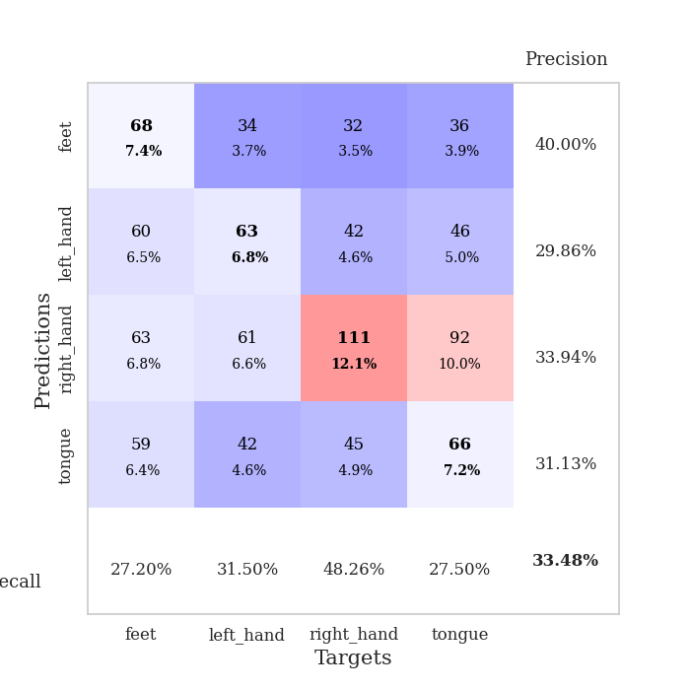
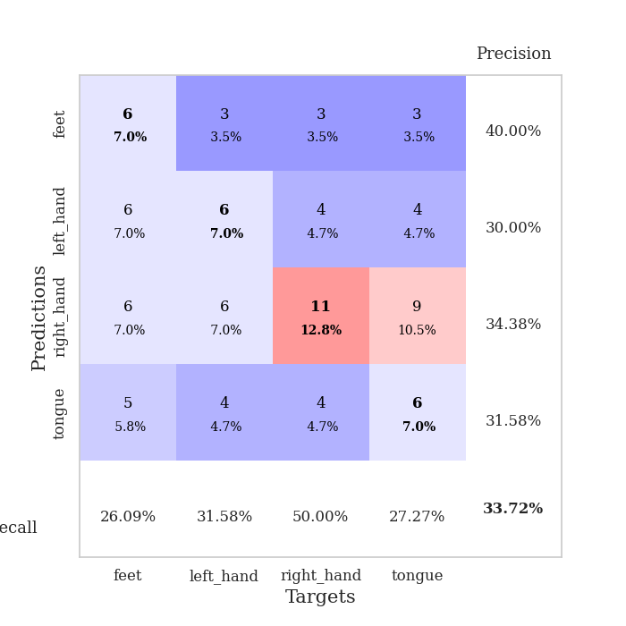
best_val_acc | best_val_los | best_test_acc
0.32608695652 | 1.5169397489 | 0.25862068966
0.35869565217 | 1.5602227916 | 0.20689655172
0.34782608696 | 1.6237835469 | 0.23275862069
0.32608695652 | 1.580755156 | 0.23275862069
0.34782608696 | 1.4904748357 | 0.22413793103
0.33695652174 | 1.5989001523 | 0.30172413793
0.33695652174 | 1.7919541857 | 0.26724137931
0.3152173913 | 1.5320097467 | 0.20689655172
0.3152173913 | 1.5866668587 | 0.24137931034
0.33695652174 | 1.3948306623 | 0.39655172414

Mean,std Val accuracy is 0.33478260869565213 , 0.01431044757835615 and mean, std test accuracy is 0.25689655172413794 , 0.05686461428029442

Sheet1
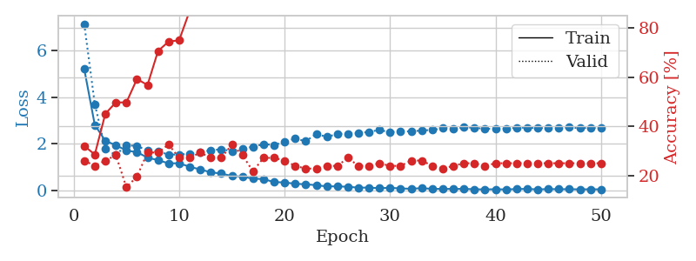
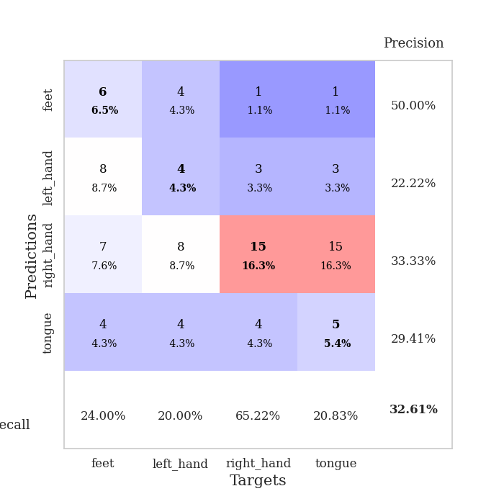
train_loss | valid_loss | train_accuracy | valid_accuracy | dur | train_misclass | valid_misclass
5.2032667347 | 7.1337539113 | 0.32065217391 | 0.26086956522 | 0.10278391838 | 32.065217391 | 26.086956522
2.8074837353 | 3.7015054641 | 0.28532608696 | 0.23913043478 | 0.11288166046 | 28.532608696 | 23.913043478
2.1241390653 | 1.7764603366 | 0.45108695652 | 0.26086956522 | 0.10367918015 | 45.108695652 | 26.086956522
1.9376245893 | 1.5169397489 | 0.4972826087 | 0.28260869565 | 0.099583148956 | 49.72826087 | 28.260869565
1.7072179888 | 1.9497242596 | 0.4972826087 | 0.15217391304 | 0.10982394218 | 49.72826087 | 15.217391304
1.6395190565 | 1.8926792922 | 0.59239130435 | 0.19565217391 | 0.10314011574 | 59.239130435 | 19.565217391
1.4055402719 | 1.7237715306 | 0.56793478261 | 0.29347826087 | 0.11151647568 | 56.793478261 | 29.347826087
1.294765107 | 1.665554539 | 0.70652173913 | 0.29347826087 | 0.11002063751 | 70.652173913 | 29.347826087
1.160277942 | 1.5408500796 | 0.74456521739 | 0.32608695652 | 0.11090683937 | 74.456521739 | 32.608695652
1.1624995081 | 1.5335848383 | 0.75 | 0.27173913043 | 0.10278487206 | 75 | 27.173913043
1.0133409293 | 1.5730045982 | 0.86956521739 | 0.27173913043 | 0.1055932045 | 86.956521739 | 27.173913043
0.89775533521 | 1.6332600013 | 0.89130434783 | 0.29347826087 | 0.10358381271 | 89.130434783 | 29.347826087
0.77652600278 | 1.7220398602 | 0.96467391304 | 0.27173913043 | 0.11107468605 | 96.467391304 | 27.173913043
0.72190013398 | 1.7606144314 | 0.98369565217 | 0.27173913043 | 0.10627985001 | 98.369565217 | 27.173913043
0.61765316906 | 1.6839371298 | 0.97282608696 | 0.32608695652 | 0.11225605011 | 97.282608696 | 32.608695652
0.59459903707 | 1.8005093647 | 0.98097826087 | 0.28260869565 | 0.10816407204 | 98.097826087 | 28.260869565
0.50318485758 | 1.8656616211 | 0.99456521739 | 0.21739130435 | 0.10750818253 | 99.456521739 | 21.739130435
0.48552417496 | 1.9846394321 | 0.99456521739 | 0.27173913043 | 0.10976266861 | 99.456521739 | 27.173913043
0.35643935074 | 1.9474806319 | 1 | 0.27173913043 | 0.10753297806 | 100 | 27.173913043
0.34160712685 | 2.0795001776 | 1 | 0.26086956522 | 0.10756874084 | 100 | 26.086956522
0.28425339415 | 2.2206268466 | 1 | 0.23913043478 | 0.1135559082 | 100 | 23.913043478
0.2628558291 | 2.1059643134 | 1 | 0.22826086957 | 0.10847640038 | 100 | 22.826086957
0.223648403 | 2.4167718525 | 0.9972826087 | 0.22826086957 | 0.11306238174 | 99.72826087 | 22.826086957
0.17034533118 | 2.2937386762 | 1 | 0.23913043478 | 0.10839152336 | 100 | 23.913043478
0.17390885787 | 2.4166640302 | 1 | 0.23913043478 | 0.10691523552 | 100 | 23.913043478
0.15460858656 | 2.4319434373 | 1 | 0.27173913043 | 0.10585021973 | 100 | 27.173913043
0.1193781504 | 2.4573369078 | 1 | 0.23913043478 | 0.10799312592 | 100 | 23.913043478
0.11963762926 | 2.5053712078 | 1 | 0.23913043478 | 0.11230540276 | 100 | 23.913043478
0.093964965528 | 2.5932347775 | 1 | 0.25 | 0.10931968689 | 100 | 25
0.11126369837 | 2.4861597134 | 1 | 0.23913043478 | 0.11383938789 | 100 | 23.913043478
0.084374926741 | 2.5395199993 | 1 | 0.23913043478 | 0.10681200027 | 100 | 23.913043478
0.069444234766 | 2.5233692656 | 1 | 0.26086956522 | 0.10846114159 | 100 | 26.086956522
0.096595499179 | 2.5728818904 | 1 | 0.26086956522 | 0.11359357834 | 100 | 26.086956522
0.064519714321 | 2.5887860785 | 1 | 0.23913043478 | 0.10291028023 | 100 | 23.913043478
0.065657576668 | 2.6648407915 | 1 | 0.22826086957 | 0.10956335068 | 100 | 22.826086957
0.062251519209 | 2.645078431 | 1 | 0.23913043478 | 0.10089206696 | 100 | 23.913043478
0.065219990626 | 2.7026242277 | 1 | 0.25 | 0.11020827293 | 100 | 25
0.049350433598 | 2.6906187223 | 1 | 0.25 | 0.10978746414 | 100 | 25
0.042490354132 | 2.634142829 | 1 | 0.23913043478 | 0.10771632195 | 100 | 23.913043478
0.05036023656 | 2.6462631899 | 1 | 0.25 | 0.11138224602 | 100 | 25
0.041482244254 | 2.6523447659 | 1 | 0.25 | 0.11297130585 | 100 | 25
0.057653579942 | 2.6859512329 | 1 | 0.25 | 0.10903453827 | 100 | 25
0.064776901682 | 2.6936282179 | 1 | 0.25 | 0.10827279091 | 100 | 25
0.041998073985 | 2.6617162124 | 1 | 0.25 | 0.10360383987 | 100 | 25
0.058570412393 | 2.6870818034 | 1 | 0.25 | 0.10932540894 | 100 | 25
0.050639435001 | 2.6765421214 | 1 | 0.25 | 0.10680913925 | 100 | 25
0.052734286565 | 2.6990444297 | 1 | 0.25 | 0.10462737083 | 100 | 25
0.044479455394 | 2.6643383399 | 1 | 0.25 | 0.1087334156 | 100 | 25
0.049167423712 | 2.6872699727 | 1 | 0.25 | 0.10430765152 | 100 | 25
0.045014110596 | 2.6613419989 | 1 | 0.25 | 0.11040258408 | 100 | 25

Best Val accuracy is 0.32608695652173914 and Best test accuracy is 0.25862068965517243

Sheet2
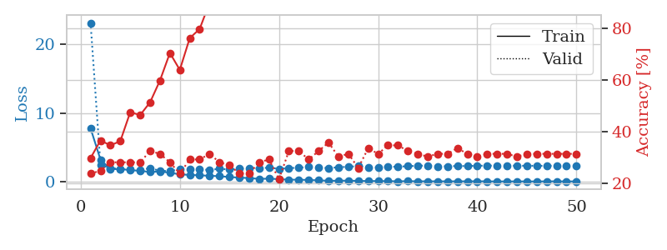
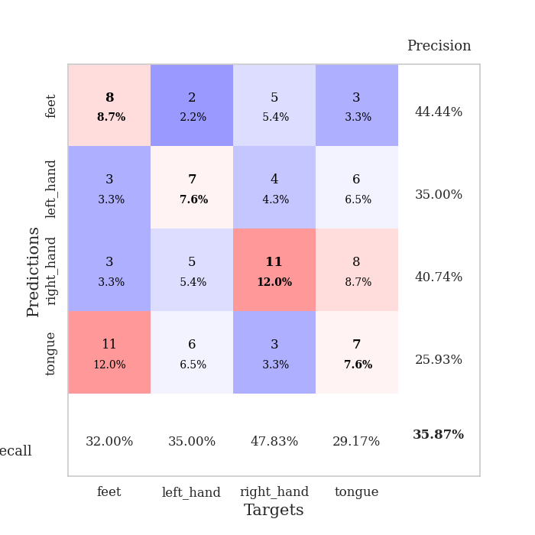
train_loss | valid_loss | train_accuracy | valid_accuracy | dur | train_misclass | valid_misclass
7.7685629337 | 23.117478495 | 0.29891304348 | 0.23913043478 | 0.10328722 | 29.891304348 | 23.913043478
3.2041246373 | 2.3967313352 | 0.36684782609 | 0.25 | 0.10873508453 | 36.684782609 | 25
1.8105016791 | 2.0025444394 | 0.34782608696 | 0.28260869565 | 0.10963845253 | 34.782608696 | 28.260869565
1.8558800376 | 1.8692073615 | 0.36413043478 | 0.28260869565 | 0.10905218124 | 36.413043478 | 28.260869565
1.6753844075 | 1.7917161247 | 0.47554347826 | 0.28260869565 | 0.10353398323 | 47.554347826 | 28.260869565
1.5884591548 | 1.740505545 | 0.46467391304 | 0.28260869565 | 0.11040091515 | 46.467391304 | 28.260869565
1.4039629957 | 1.9511793126 | 0.51358695652 | 0.32608695652 | 0.10803747177 | 51.358695652 | 32.608695652
1.4851534522 | 1.5865437103 | 0.59782608696 | 0.3152173913 | 0.10914301872 | 59.782608696 | 31.52173913
1.3023760371 | 1.5602227916 | 0.70380434783 | 0.28260869565 | 0.10770082474 | 70.380434783 | 28.260869565
1.0728672147 | 1.8118216473 | 0.63858695652 | 0.23913043478 | 0.10927534103 | 63.858695652 | 23.913043478
0.98264855406 | 1.7723337412 | 0.76086956522 | 0.29347826087 | 0.11456274986 | 76.086956522 | 29.347826087
0.93393741742 | 1.8126434399 | 0.79619565217 | 0.29347826087 | 0.10965251923 | 79.619565217 | 29.347826087
0.85373268957 | 1.6987631839 | 0.89673913043 | 0.3152173913 | 0.11610388756 | 89.673913043 | 31.52173913
0.80527063945 | 1.8877722906 | 0.86956521739 | 0.28260869565 | 0.10872364044 | 86.956521739 | 28.260869565
0.67590562416 | 1.7642360926 | 0.92934782609 | 0.27173913043 | 0.10627627373 | 92.934782609 | 27.173913043
0.59303753791 | 1.9062757648 | 0.96467391304 | 0.23913043478 | 0.11011314392 | 96.467391304 | 23.913043478
0.52746270143 | 1.9183612803 | 0.98913043478 | 0.23913043478 | 0.11024808884 | 98.913043478 | 23.913043478
0.40939020204 | 1.9369991344 | 0.98913043478 | 0.28260869565 | 0.1090490818 | 98.913043478 | 28.260869565
0.44375094836 | 2.0536098532 | 0.98913043478 | 0.29347826087 | 0.11389183998 | 98.913043478 | 29.347826087
0.37267037254 | 1.8688643549 | 1 | 0.21739130435 | 0.10796666145 | 100 | 21.739130435
0.28961542961 | 1.9818762074 | 1 | 0.32608695652 | 0.10854315758 | 100 | 32.608695652
0.28811026624 | 2.0266679474 | 0.9972826087 | 0.32608695652 | 0.10497975349 | 99.72826087 | 32.608695652
0.24590633324 | 2.1677347473 | 1 | 0.29347826087 | 0.10761761665 | 100 | 29.347826087
0.19848378489 | 2.0962987361 | 1 | 0.32608695652 | 0.10777854919 | 100 | 32.608695652
0.13377639003 | 1.9597069232 | 1 | 0.35869565217 | 0.10494041443 | 100 | 35.869565217
0.14369465184 | 2.1191752423 | 1 | 0.30434782609 | 0.10746431351 | 100 | 30.434782609
0.15401199314 | 2.1607093189 | 1 | 0.3152173913 | 0.104626894 | 100 | 31.52173913
0.11972822119 | 2.2756329153 | 1 | 0.26086956522 | 0.10527706146 | 100 | 26.086956522
0.095150725025 | 2.0562481414 | 1 | 0.33695652174 | 0.09956073761 | 100 | 33.695652174
0.095918404505 | 2.0946301377 | 1 | 0.3152173913 | 0.10901141167 | 100 | 31.52173913
0.082651518366 | 2.1630437478 | 1 | 0.34782608696 | 0.10477161407 | 100 | 34.782608696
0.05814149579 | 2.1866865365 | 1 | 0.34782608696 | 0.10658979416 | 100 | 34.782608696
0.076482863449 | 2.2530066293 | 1 | 0.32608695652 | 0.10928678513 | 100 | 32.608695652
0.057725871306 | 2.3147159504 | 1 | 0.3152173913 | 0.10548257828 | 100 | 31.52173913
0.055696182398 | 2.3515773701 | 1 | 0.30434782609 | 0.10670375824 | 100 | 30.434782609
0.05328360038 | 2.2412511629 | 1 | 0.3152173913 | 0.10725927353 | 100 | 31.52173913
0.050799785465 | 2.242022364 | 1 | 0.3152173913 | 0.10798382759 | 100 | 31.52173913
0.053454382386 | 2.2797394784 | 1 | 0.33695652174 | 0.10628962517 | 100 | 33.695652174
0.053554678781 | 2.275923392 | 1 | 0.3152173913 | 0.10932350159 | 100 | 31.52173913
0.062494714299 | 2.3209056077 | 1 | 0.30434782609 | 0.11098313332 | 100 | 30.434782609
0.050527145195 | 2.3409829088 | 1 | 0.3152173913 | 0.11137795448 | 100 | 31.52173913
0.036533653979 | 2.3363988037 | 1 | 0.3152173913 | 0.10427594185 | 100 | 31.52173913
0.040690449795 | 2.3297034347 | 1 | 0.3152173913 | 0.11019086838 | 100 | 31.52173913
0.04254475815 | 2.3265084184 | 1 | 0.30434782609 | 0.10607194901 | 100 | 30.434782609
0.042470196019 | 2.3151505667 | 1 | 0.3152173913 | 0.1058216095 | 100 | 31.52173913
0.034397761095 | 2.3196194224 | 1 | 0.3152173913 | 0.10773921013 | 100 | 31.52173913
0.048733586223 | 2.3075857992 | 1 | 0.3152173913 | 0.11049413681 | 100 | 31.52173913
0.053775030958 | 2.3354859974 | 1 | 0.3152173913 | 0.1111934185 | 100 | 31.52173913
0.037524628696 | 2.3372945734 | 1 | 0.3152173913 | 0.10725331306 | 100 | 31.52173913
0.045680823817 | 2.3098410783 | 1 | 0.3152173913 | 0.11197924614 | 100 | 31.52173913

Best Val accuracy is 0.358695652173913 and Best test accuracy is 0.20689655172413793

Sheet3
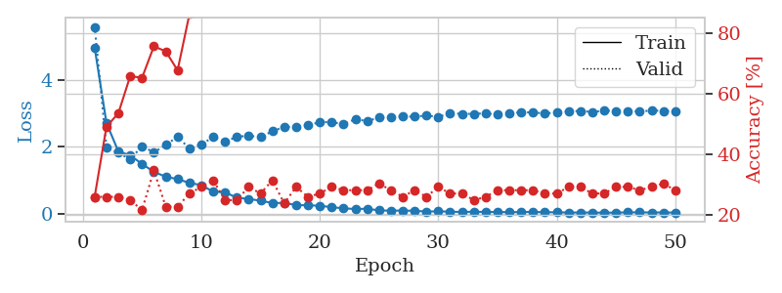
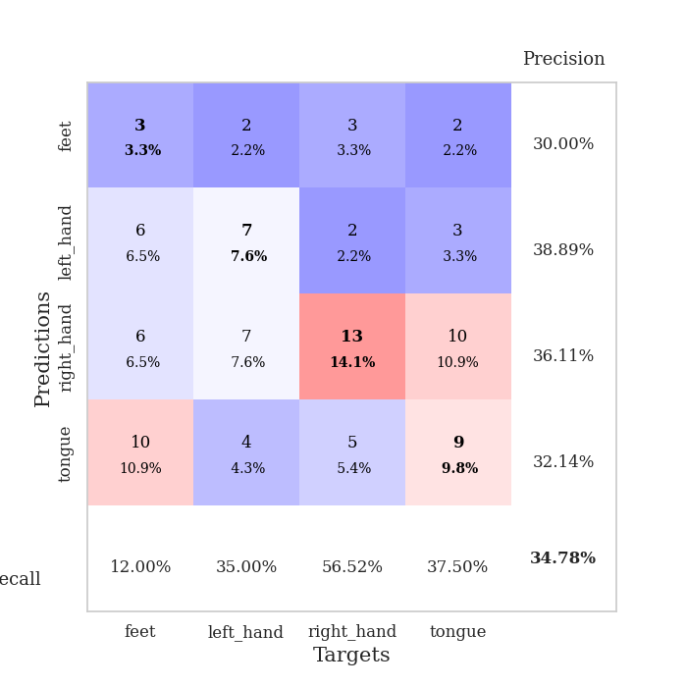
train_loss | valid_loss | train_accuracy | valid_accuracy | dur | train_misclass | valid_misclass
4.9717612474 | 5.5939865423 | 0.26086956522 | 0.26086956522 | 0.10342001915 | 26.086956522 | 26.086956522
2.7095067035 | 1.9765383212 | 0.49184782609 | 0.26086956522 | 0.10394668579 | 49.184782609 | 26.086956522
1.8622745172 | 1.818197354 | 0.53532608696 | 0.26086956522 | 0.10527324677 | 53.532608696 | 26.086956522
1.7428570312 | 1.6237835469 | 0.65760869565 | 0.25 | 0.10542750359 | 65.760869565 | 25
1.4856659278 | 2.0210802451 | 0.65217391304 | 0.21739130435 | 0.10648083687 | 65.217391304 | 21.739130435
1.2493165317 | 1.8283576706 | 0.75543478261 | 0.34782608696 | 0.10882282257 | 75.543478261 | 34.782608696
1.1022245936 | 2.0597368375 | 0.73913043478 | 0.22826086957 | 0.1090221405 | 73.913043478 | 22.826086957
1.0315167878 | 2.2940798065 | 0.67663043478 | 0.22826086957 | 0.10876536369 | 67.663043478 | 22.826086957
0.91686234656 | 1.9511036199 | 0.86141304348 | 0.27173913043 | 0.10549259186 | 86.141304348 | 27.173913043
0.85127287714 | 2.0720221893 | 0.92934782609 | 0.29347826087 | 0.10983204842 | 92.934782609 | 29.347826087
0.65378550602 | 2.2885704352 | 0.89130434783 | 0.3152173913 | 0.10758447647 | 89.130434783 | 31.52173913
0.63646624658 | 2.1502087324 | 0.98097826087 | 0.25 | 0.10722851753 | 98.097826087 | 25
0.47347448248 | 2.2994385802 | 0.98369565217 | 0.25 | 0.11063838005 | 98.369565217 | 25
0.43568329319 | 2.3319570811 | 0.98641304348 | 0.29347826087 | 0.10205507278 | 98.641304348 | 29.347826087
0.38405379135 | 2.2909515163 | 1 | 0.27173913043 | 0.10535240173 | 100 | 27.173913043
0.3140152492 | 2.4640526046 | 1 | 0.3152173913 | 0.10683250427 | 100 | 31.52173913
0.31839752003 | 2.5985828586 | 0.99456521739 | 0.23913043478 | 0.11276054382 | 99.456521739 | 23.913043478
0.25175909018 | 2.5843180055 | 0.9972826087 | 0.29347826087 | 0.10666966438 | 99.72826087 | 29.347826087
0.24620379896 | 2.6506743327 | 0.9972826087 | 0.26086956522 | 0.11025500298 | 99.72826087 | 26.086956522
0.23227478823 | 2.7320048083 | 1 | 0.27173913043 | 0.10096406937 | 100 | 27.173913043
0.18899266001 | 2.7459163562 | 1 | 0.29347826087 | 0.10987067223 | 100 | 29.347826087
0.15593654808 | 2.6721319323 | 1 | 0.28260869565 | 0.10592412949 | 100 | 28.260869565
0.13410172871 | 2.8296515631 | 1 | 0.28260869565 | 0.10970592499 | 100 | 28.260869565
0.14284767032 | 2.7679821408 | 1 | 0.28260869565 | 0.10739398003 | 100 | 28.260869565
0.09284785811 | 2.8775346901 | 1 | 0.30434782609 | 0.10881257057 | 100 | 30.434782609
0.084948915907 | 2.8950881751 | 1 | 0.28260869565 | 0.11189508438 | 100 | 28.260869565
0.089487566815 | 2.9108590872 | 1 | 0.26086956522 | 0.10863828659 | 100 | 26.086956522
0.080222640065 | 2.9016794225 | 1 | 0.28260869565 | 0.10329651833 | 100 | 28.260869565
0.059201806784 | 2.9367806393 | 1 | 0.26086956522 | 0.1103014946 | 100 | 26.086956522
0.063941296028 | 2.8959891692 | 1 | 0.29347826087 | 0.10694861412 | 100 | 29.347826087
0.056548740553 | 3.0072244665 | 1 | 0.27173913043 | 0.10870194435 | 100 | 27.173913043
0.044213287694 | 2.9855152939 | 1 | 0.27173913043 | 0.11196660995 | 100 | 27.173913043
0.054297467491 | 2.9886234636 | 1 | 0.25 | 0.10954284668 | 100 | 25
0.045759532925 | 3.0010067173 | 1 | 0.26086956522 | 0.10959148407 | 100 | 26.086956522
0.046766210955 | 2.9663785126 | 1 | 0.28260869565 | 0.10821223259 | 100 | 28.260869565
0.039289729791 | 3.0161067092 | 1 | 0.28260869565 | 0.11356687546 | 100 | 28.260869565
0.044478011439 | 3.0285214756 | 1 | 0.28260869565 | 0.10930848122 | 100 | 28.260869565
0.04904501209 | 3.0316179213 | 1 | 0.28260869565 | 0.10869026184 | 100 | 28.260869565
0.038002616402 | 2.9957044747 | 1 | 0.27173913043 | 0.11114501953 | 100 | 27.173913043
0.037105619988 | 3.0314678938 | 1 | 0.27173913043 | 0.10979437828 | 100 | 27.173913043
0.029275239992 | 3.0586624975 | 1 | 0.29347826087 | 0.10686397552 | 100 | 29.347826087
0.030610614335 | 3.0764190943 | 1 | 0.29347826087 | 0.10964488983 | 100 | 29.347826087
0.02850114955 | 3.0419041178 | 1 | 0.27173913043 | 0.11073875427 | 100 | 27.173913043
0.025326126073 | 3.08055037 | 1 | 0.27173913043 | 0.10539531708 | 100 | 27.173913043
0.027396555099 | 3.0750408484 | 1 | 0.29347826087 | 0.11270213127 | 100 | 29.347826087
0.034951050968 | 3.0753398875 | 1 | 0.29347826087 | 0.10435724258 | 100 | 29.347826087
0.033161328316 | 3.0518097774 | 1 | 0.28260869565 | 0.10839653015 | 100 | 28.260869565
0.032198669429 | 3.0914318354 | 1 | 0.29347826087 | 0.10688662529 | 100 | 29.347826087
0.031963646473 | 3.0727165886 | 1 | 0.30434782609 | 0.11541008949 | 100 | 30.434782609
0.027749058912 | 3.0600355915 | 1 | 0.28260869565 | 0.10592603683 | 100 | 28.260869565

Best Val accuracy is 0.34782608695652173 and Best test accuracy is 0.23275862068965517

Sheet4
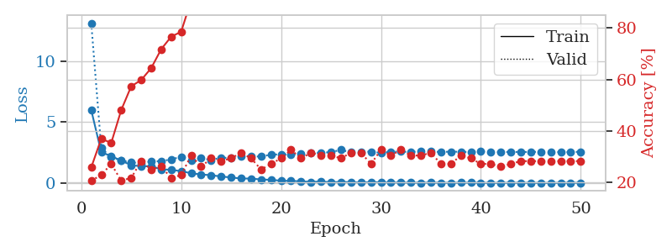
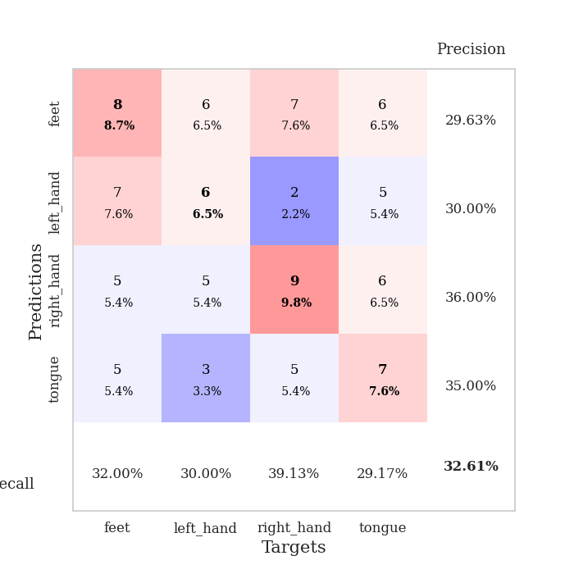
train_loss | valid_loss | train_accuracy | valid_accuracy | dur | train_misclass | valid_misclass
5.9832689658 | 13.100334499 | 0.25815217391 | 0.20652173913 | 0.11067771912 | 25.815217391 | 20.652173913
2.531204431 | 2.8648519723 | 0.36956521739 | 0.22826086957 | 0.1138446331 | 36.956521739 | 22.826086957
2.2187248157 | 2.1560057143 | 0.35326086957 | 0.27173913043 | 0.10311841965 | 35.326086957 | 27.173913043
1.8433336382 | 1.8413111386 | 0.48097826087 | 0.20652173913 | 0.10914945602 | 48.097826087 | 20.652173913
1.4718031417 | 1.722753333 | 0.57336956522 | 0.21739130435 | 0.11475658417 | 57.336956522 | 21.739130435
1.3871585183 | 1.580755156 | 0.59782608696 | 0.28260869565 | 0.10793781281 | 59.782608696 | 28.260869565
1.3889776702 | 1.7856484911 | 0.64402173913 | 0.25 | 0.10483789444 | 64.402173913 | 25
1.1354596485 | 1.8016500058 | 0.71739130435 | 0.26086956522 | 0.10653162003 | 71.739130435 | 26.086956522
1.0970629868 | 1.9475949122 | 0.76630434783 | 0.21739130435 | 0.10953974724 | 76.630434783 | 21.739130435
0.98425961577 | 2.1604352775 | 0.78532608696 | 0.22826086957 | 0.11009955406 | 78.532608696 | 22.826086957
0.81173855325 | 1.8768096437 | 0.90760869565 | 0.30434782609 | 0.10901284218 | 90.760869565 | 30.434782609
0.71319311987 | 2.0536933775 | 0.9402173913 | 0.26086956522 | 0.10647535324 | 94.02173913 | 26.086956522
0.65406638513 | 1.8946206466 | 0.94565217391 | 0.29347826087 | 0.10671639442 | 94.565217391 | 29.347826087
0.54862460494 | 2.0899186031 | 0.98369565217 | 0.28260869565 | 0.10878205299 | 98.369565217 | 28.260869565
0.46918824833 | 2.056879453 | 0.99184782609 | 0.29347826087 | 0.10859274864 | 99.184782609 | 29.347826087
0.38298315717 | 2.1912656763 | 0.99184782609 | 0.3152173913 | 0.11026191711 | 99.184782609 | 31.52173913
0.37735700737 | 2.1709889225 | 0.9972826087 | 0.29347826087 | 0.10747075081 | 99.72826087 | 29.347826087
0.30466803325 | 2.1934687521 | 1 | 0.25 | 0.11430764198 | 100 | 25
0.27443494939 | 2.3317218449 | 1 | 0.27173913043 | 0.10601472855 | 100 | 27.173913043
0.20436774713 | 2.3641446673 | 1 | 0.29347826087 | 0.10422229767 | 100 | 29.347826087
0.18427998103 | 2.3514543409 | 1 | 0.32608695652 | 0.1054751873 | 100 | 32.608695652
0.1552546724 | 2.396700206 | 1 | 0.29347826087 | 0.11181163788 | 100 | 29.347826087
0.10431510826 | 2.4498667095 | 1 | 0.3152173913 | 0.10867714882 | 100 | 31.52173913
0.13736374466 | 2.4822091538 | 1 | 0.30434782609 | 0.10718941689 | 100 | 30.434782609
0.078880264626 | 2.5460308116 | 1 | 0.30434782609 | 0.10933828354 | 100 | 30.434782609
0.10646134915 | 2.7208569879 | 1 | 0.29347826087 | 0.1028137207 | 100 | 29.347826087
0.082469540405 | 2.5282809942 | 1 | 0.3152173913 | 0.10851192474 | 100 | 31.52173913
0.057026251989 | 2.5807441732 | 1 | 0.3152173913 | 0.11003637314 | 100 | 31.52173913
0.089231365077 | 2.5781250518 | 1 | 0.27173913043 | 0.10961842537 | 100 | 27.173913043
0.076101922795 | 2.4874714457 | 1 | 0.32608695652 | 0.1097445488 | 100 | 32.608695652
0.059089575206 | 2.5681034897 | 1 | 0.30434782609 | 0.10425496101 | 100 | 30.434782609
0.05147031638 | 2.5834066764 | 1 | 0.32608695652 | 0.11169052124 | 100 | 32.608695652
0.041846779641 | 2.5497766059 | 1 | 0.30434782609 | 0.10807108879 | 100 | 30.434782609
0.037815253615 | 2.6279303406 | 1 | 0.30434782609 | 0.10880613327 | 100 | 30.434782609
0.047516359826 | 2.5907359227 | 1 | 0.3152173913 | 0.10956430435 | 100 | 31.52173913
0.034485857245 | 2.552591272 | 1 | 0.27173913043 | 0.11074757576 | 100 | 27.173913043
0.030518970513 | 2.5821193923 | 1 | 0.27173913043 | 0.10678434372 | 100 | 27.173913043
0.039922631427 | 2.5675132275 | 1 | 0.30434782609 | 0.11369299889 | 100 | 30.434782609
0.04216223777 | 2.5525611898 | 1 | 0.29347826087 | 0.10393285751 | 100 | 29.347826087
0.031983420617 | 2.5919297882 | 1 | 0.27173913043 | 0.11157631874 | 100 | 27.173913043
0.024855562405 | 2.5446647872 | 1 | 0.27173913043 | 0.11624217033 | 100 | 27.173913043
0.031279464131 | 2.5487032559 | 1 | 0.26086956522 | 0.11166572571 | 100 | 26.086956522
0.030619965664 | 2.5595134549 | 1 | 0.27173913043 | 0.11299586296 | 100 | 27.173913043
0.033742711535 | 2.5534532277 | 1 | 0.28260869565 | 0.10915565491 | 100 | 28.260869565
0.025489915203 | 2.5595490725 | 1 | 0.28260869565 | 0.10539984703 | 100 | 28.260869565
0.02589719862 | 2.5721147993 | 1 | 0.28260869565 | 0.10937190056 | 100 | 28.260869565
0.022714191319 | 2.5554188749 | 1 | 0.28260869565 | 0.10846924782 | 100 | 28.260869565
0.03084474223 | 2.5469735291 | 1 | 0.28260869565 | 0.10324549675 | 100 | 28.260869565
0.032055030334 | 2.5443111814 | 1 | 0.28260869565 | 0.10773181915 | 100 | 28.260869565
0.029452750338 | 2.5731990545 | 1 | 0.28260869565 | 0.11529660225 | 100 | 28.260869565

Best Val accuracy is 0.32608695652173914 and Best test accuracy is 0.23275862068965517

Sheet5
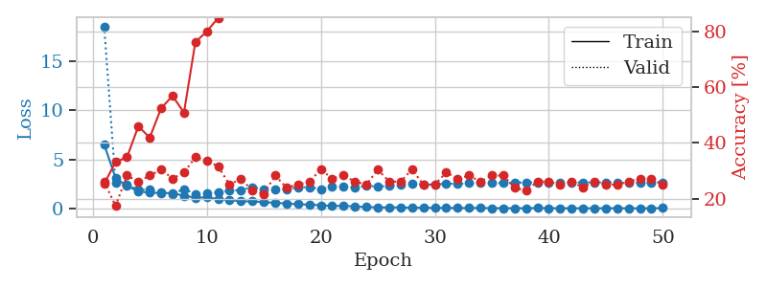
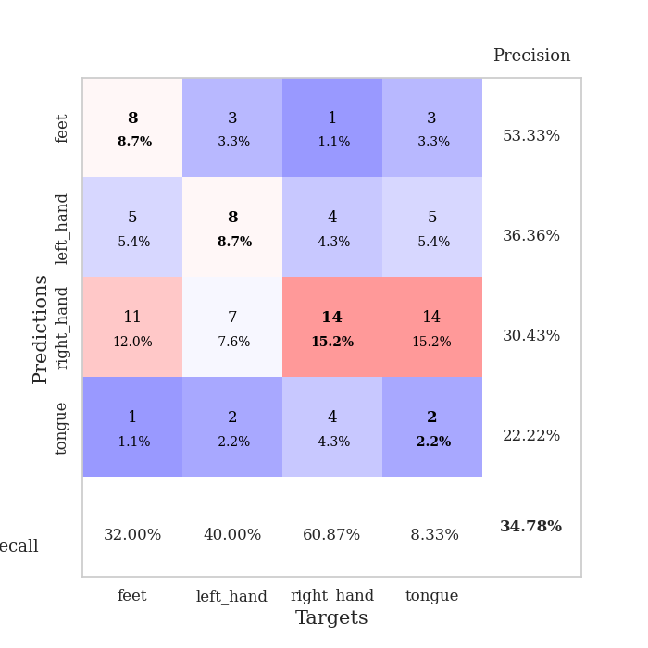
train_loss | valid_loss | train_accuracy | valid_accuracy | dur | train_misclass | valid_misclass
6.5092364394 | 18.502688636 | 0.2527173913 | 0.26086956522 | 0.10494637489 | 25.27173913 | 26.086956522
3.1057174931 | 2.6339971812 | 0.33152173913 | 0.17391304348 | 0.10523319244 | 33.152173913 | 17.391304348
2.3111358829 | 2.4039378114 | 0.34782608696 | 0.28260869565 | 0.10266256332 | 34.782608696 | 28.260869565
1.7438862427 | 1.9131063378 | 0.45923913043 | 0.26086956522 | 0.11184048653 | 45.923913043 | 26.086956522
1.6134357245 | 1.9313941157 | 0.41847826087 | 0.28260869565 | 0.11295485497 | 41.847826087 | 28.260869565
1.5824575321 | 1.6644022983 | 0.52445652174 | 0.30434782609 | 0.11760878563 | 52.445652174 | 30.434782609
1.5724203535 | 1.4904748357 | 0.56793478261 | 0.27173913043 | 0.1088643074 | 56.793478261 | 27.173913043
1.3037269582 | 1.9815582814 | 0.50815217391 | 0.29347826087 | 0.1160774231 | 50.815217391 | 29.347826087
1.1091698382 | 1.4994485793 | 0.76086956522 | 0.34782608696 | 0.10405683517 | 76.086956522 | 34.782608696
1.1362101384 | 1.5363814157 | 0.79891304348 | 0.33695652174 | 0.10652279854 | 79.891304348 | 33.695652174
0.97427074287 | 1.6703250149 | 0.84782608696 | 0.3152173913 | 0.10656023026 | 84.782608696 | 31.52173913
0.85987381184 | 1.8139887323 | 0.89673913043 | 0.25 | 0.10057377815 | 89.673913043 | 25
0.74174202007 | 1.8809900284 | 0.9347826087 | 0.27173913043 | 0.10523319244 | 93.47826087 | 27.173913043
0.73133530954 | 2.1726980002 | 0.91304347826 | 0.22826086957 | 0.10683298111 | 91.304347826 | 22.826086957
0.65622885072 | 1.9507206367 | 0.95652173913 | 0.21739130435 | 0.10477995872 | 95.652173913 | 21.739130435
0.582749324 | 1.9620977329 | 0.98097826087 | 0.28260869565 | 0.10979676247 | 98.097826087 | 28.260869565
0.51746714633 | 1.9561019721 | 0.98369565217 | 0.23913043478 | 0.10629463196 | 98.369565217 | 23.913043478
0.44339571051 | 2.1448036329 | 1 | 0.25 | 0.10402607918 | 100 | 25
0.40059004659 | 2.1823387768 | 0.99184782609 | 0.26086956522 | 0.1090426445 | 99.184782609 | 26.086956522
0.34022703832 | 1.9712735104 | 0.9972826087 | 0.30434782609 | 0.1095533371 | 99.72826087 | 30.434782609
0.25971335043 | 2.214779688 | 1 | 0.27173913043 | 0.10817956924 | 100 | 27.173913043
0.28528875145 | 2.2105843865 | 1 | 0.28260869565 | 0.11282896996 | 100 | 28.260869565
0.20465102435 | 2.1206656072 | 1 | 0.26086956522 | 0.11051845551 | 100 | 26.086956522
0.16903305977 | 2.3059628165 | 1 | 0.25 | 0.10448336601 | 100 | 25
0.11751234207 | 2.2332851576 | 1 | 0.30434782609 | 0.10863566399 | 100 | 30.434782609
0.12743683338 | 2.3021471604 | 1 | 0.26086956522 | 0.11036944389 | 100 | 26.086956522
0.11298483432 | 2.4422916537 | 1 | 0.26086956522 | 0.10958361626 | 100 | 26.086956522
0.089890137639 | 2.4893446746 | 1 | 0.30434782609 | 0.10936141014 | 100 | 30.434782609
0.088350469813 | 2.4725559898 | 1 | 0.25 | 0.1141371727 | 100 | 25
0.069361262023 | 2.4361762327 | 1 | 0.25 | 0.10618853569 | 100 | 25
0.068923187159 | 2.5403132957 | 1 | 0.29347826087 | 0.10320353508 | 100 | 29.347826087
0.060160349893 | 2.5119447138 | 1 | 0.27173913043 | 0.11336636543 | 100 | 27.173913043
0.051890442553 | 2.5799142278 | 1 | 0.28260869565 | 0.10990738869 | 100 | 28.260869565
0.069897891549 | 2.5811395749 | 1 | 0.26086956522 | 0.10594177246 | 100 | 26.086956522
0.041987430304 | 2.5915755707 | 1 | 0.28260869565 | 0.10846853256 | 100 | 28.260869565
0.041048823248 | 2.5979495774 | 1 | 0.28260869565 | 0.11262702942 | 100 | 28.260869565
0.040482074306 | 2.6242142242 | 1 | 0.23913043478 | 0.11575555801 | 100 | 23.913043478
0.03748262374 | 2.6629577616 | 1 | 0.22826086957 | 0.1088552475 | 100 | 22.826086957
0.057623811491 | 2.6353712186 | 1 | 0.26086956522 | 0.10875630379 | 100 | 26.086956522
0.047459416942 | 2.6401652564 | 1 | 0.26086956522 | 0.10375976562 | 100 | 26.086956522
0.030237567692 | 2.6422199425 | 1 | 0.25 | 0.10451722145 | 100 | 25
0.037047061219 | 2.6567115006 | 1 | 0.26086956522 | 0.11179113388 | 100 | 26.086956522
0.035532431171 | 2.6451329718 | 1 | 0.23913043478 | 0.10914850235 | 100 | 23.913043478
0.035277552316 | 2.6657991254 | 1 | 0.26086956522 | 0.10800480843 | 100 | 26.086956522
0.037071488372 | 2.6549683602 | 1 | 0.25 | 0.11135625839 | 100 | 25
0.040517069359 | 2.6533231321 | 1 | 0.25 | 0.11112499237 | 100 | 25
0.029868615022 | 2.6710785472 | 1 | 0.26086956522 | 0.10713362694 | 100 | 26.086956522
0.028075937566 | 2.6479592893 | 1 | 0.27173913043 | 0.10944461823 | 100 | 27.173913043
0.033056515937 | 2.6725239857 | 1 | 0.27173913043 | 0.1101334095 | 100 | 27.173913043
0.053590683226 | 2.6662954662 | 1 | 0.25 | 0.10825061798 | 100 | 25

Best Val accuracy is 0.34782608695652173 and Best test accuracy is 0.22413793103448276

Sheet6
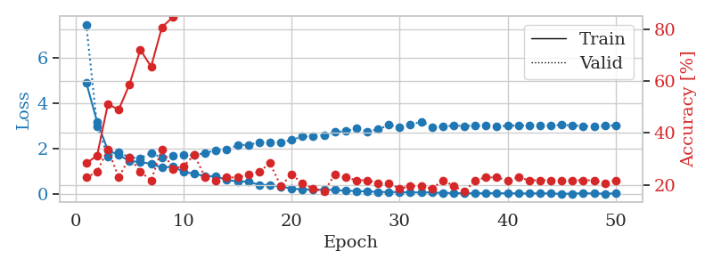
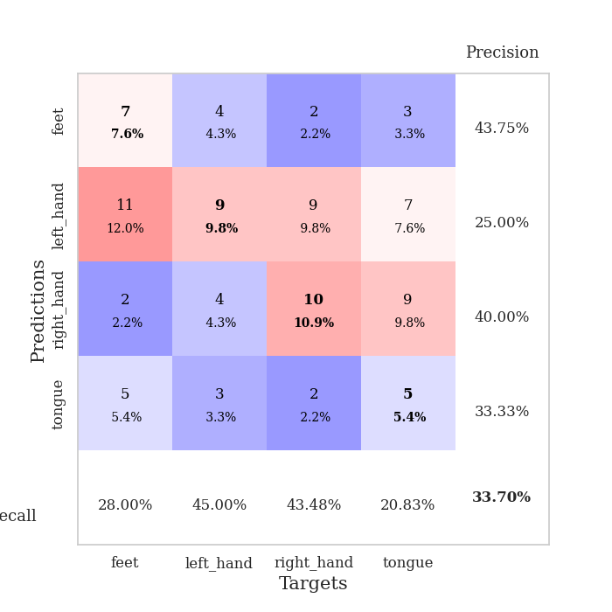
train_loss | valid_loss | train_accuracy | valid_accuracy | dur | train_misclass | valid_misclass
4.920137084 | 7.490178357 | 0.28260869565 | 0.22826086957 | 0.10472369194 | 28.260869565 | 22.826086957
3.19864101 | 2.9984294072 | 0.3125 | 0.25 | 0.10879182816 | 31.25 | 25
1.9416994427 | 1.6735870683 | 0.51086956522 | 0.33695652174 | 0.10637617111 | 51.086956522 | 33.695652174
1.7313102691 | 1.8734020098 | 0.48913043478 | 0.22826086957 | 0.1108777523 | 48.913043478 | 22.826086957
1.4680991432 | 1.616807694 | 0.58695652174 | 0.30434782609 | 0.10596561432 | 58.695652174 | 30.434782609
1.4246806736 | 1.5989001523 | 0.72010869565 | 0.25 | 0.11192846298 | 72.010869565 | 25
1.3419793974 | 1.8229177154 | 0.65489130435 | 0.21739130435 | 0.10414958 | 65.489130435 | 21.739130435
1.1793602342 | 1.6027492026 | 0.80706521739 | 0.33695652174 | 0.11112308502 | 80.706521739 | 33.695652174
1.2171606059 | 1.7003052908 | 0.84510869565 | 0.26086956522 | 0.1053879261 | 84.510869565 | 26.086956522
0.99692439256 | 1.7283159546 | 0.875 | 0.27173913043 | 0.10857057571 | 87.5 | 27.173913043
0.89707856852 | 1.7279522574 | 0.91304347826 | 0.3152173913 | 0.11217784882 | 91.304347826 | 31.52173913
0.80587577949 | 1.8176750722 | 0.91032608696 | 0.22826086957 | 0.11478328705 | 91.032608696 | 22.826086957
0.79112680321 | 1.9451886415 | 0.96195652174 | 0.21739130435 | 0.10945796967 | 96.195652174 | 21.739130435
0.63255117251 | 1.9779398182 | 0.97554347826 | 0.22826086957 | 0.11213183403 | 97.554347826 | 22.826086957
0.56672997837 | 2.1551782463 | 0.97826086957 | 0.22826086957 | 0.10802555084 | 97.826086957 | 22.826086957
0.55622435782 | 2.1881136635 | 0.98369565217 | 0.23913043478 | 0.10654592514 | 98.369565217 | 23.913043478
0.41283089182 | 2.2762978181 | 0.99184782609 | 0.25 | 0.10850811005 | 99.184782609 | 25
0.4069508353 | 2.288241884 | 0.99456521739 | 0.28260869565 | 0.10824513435 | 99.456521739 | 28.260869565
0.3417469451 | 2.2892507315 | 0.9972826087 | 0.19565217391 | 0.10738253593 | 99.72826087 | 19.565217391
0.25419373162 | 2.3901363352 | 1 | 0.23913043478 | 0.099869966507 | 100 | 23.913043478
0.21099087693 | 2.5534103953 | 1 | 0.20652173913 | 0.11045384407 | 100 | 20.652173913
0.20457699085 | 2.5499450538 | 1 | 0.1847826087 | 0.11251163483 | 100 | 18.47826087
0.19764995769 | 2.6020808946 | 1 | 0.17391304348 | 0.11480116844 | 100 | 17.391304348
0.18861936729 | 2.7436691056 | 1 | 0.23913043478 | 0.10926032066 | 100 | 23.913043478
0.15456136235 | 2.7836004547 | 1 | 0.22826086957 | 0.11284470558 | 100 | 22.826086957
0.14185800897 | 2.9084760728 | 1 | 0.21739130435 | 0.11153936386 | 100 | 21.739130435
0.12297507205 | 2.7733923145 | 1 | 0.21739130435 | 0.11100769043 | 100 | 21.739130435
0.10279092776 | 2.8578687854 | 1 | 0.20652173913 | 0.11045360565 | 100 | 20.652173913
0.096824796303 | 3.0537118186 | 1 | 0.20652173913 | 0.11269497871 | 100 | 20.652173913
0.096436062099 | 2.9713685513 | 1 | 0.1847826087 | 0.11307668686 | 100 | 18.47826087
0.077600813592 | 3.054131031 | 1 | 0.19565217391 | 0.10901737213 | 100 | 19.565217391
0.08920109021 | 3.2093535195 | 1 | 0.19565217391 | 0.1077644825 | 100 | 19.565217391
0.080167936161 | 2.9651309822 | 1 | 0.1847826087 | 0.10795760155 | 100 | 18.47826087
0.058606330062 | 2.9805927069 | 1 | 0.21739130435 | 0.11454033852 | 100 | 21.739130435
0.056690462055 | 3.0351331649 | 1 | 0.19565217391 | 0.11381411552 | 100 | 19.565217391
0.03833011963 | 3.0069210426 | 1 | 0.17391304348 | 0.11055111885 | 100 | 17.391304348
0.04357052394 | 3.0282384105 | 1 | 0.21739130435 | 0.10871982574 | 100 | 21.739130435
0.041824299923 | 3.0189158709 | 1 | 0.22826086957 | 0.11155486107 | 100 | 22.826086957
0.052050294071 | 2.9962266839 | 1 | 0.22826086957 | 0.10815024376 | 100 | 22.826086957
0.03684318426 | 3.0265989511 | 1 | 0.21739130435 | 0.10753560066 | 100 | 21.739130435
0.041683037603 | 3.0312527574 | 1 | 0.22826086957 | 0.11223268509 | 100 | 22.826086957
0.03091274297 | 3.0329600521 | 1 | 0.21739130435 | 0.10511851311 | 100 | 21.739130435
0.043926233871 | 3.0530570175 | 1 | 0.21739130435 | 0.10657930374 | 100 | 21.739130435
0.033619200122 | 3.0320211701 | 1 | 0.21739130435 | 0.11047720909 | 100 | 21.739130435
0.020443009415 | 3.0542479909 | 1 | 0.21739130435 | 0.10665345192 | 100 | 21.739130435
0.02975199574 | 3.0446734221 | 1 | 0.21739130435 | 0.11237430573 | 100 | 21.739130435
0.043144079978 | 3.0017456697 | 1 | 0.21739130435 | 0.11282324791 | 100 | 21.739130435
0.035851505787 | 3.0095626997 | 1 | 0.21739130435 | 0.11037397385 | 100 | 21.739130435
0.025876447052 | 3.015151055 | 1 | 0.20652173913 | 0.11349177361 | 100 | 20.652173913
0.03884344463 | 3.0390131474 | 1 | 0.21739130435 | 0.11286592484 | 100 | 21.739130435

Best Val accuracy is 0.33695652173913043 and Best test accuracy is 0.3017241379310345

Sheet7
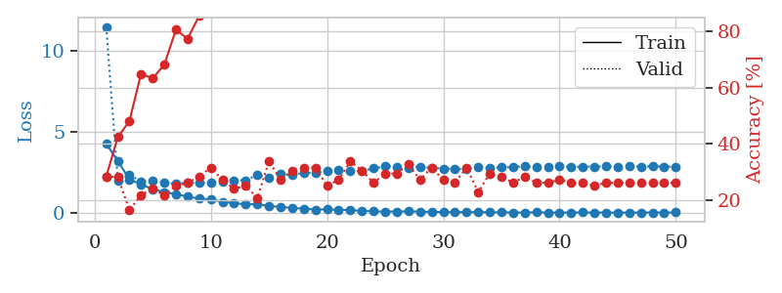
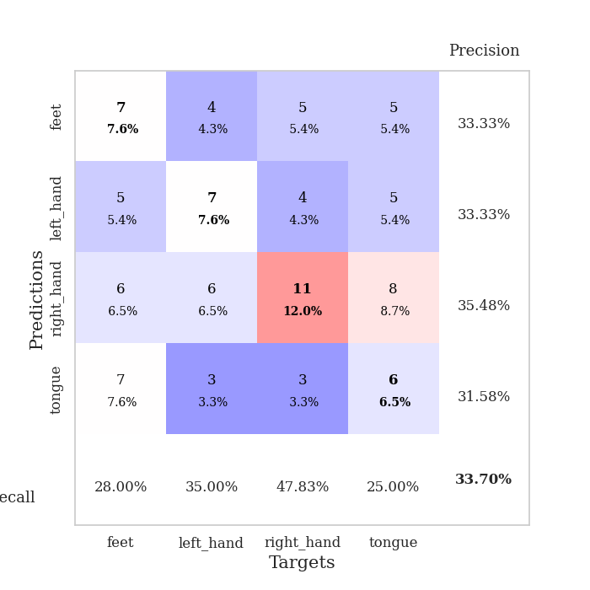
train_loss | valid_loss | train_accuracy | valid_accuracy | dur | train_misclass | valid_misclass
4.2633368969 | 11.44584776 | 0.28260869565 | 0.28260869565 | 0.11771678925 | 28.260869565 | 28.260869565
3.1977218649 | 2.0004164913 | 0.42391304348 | 0.28260869565 | 0.11279129982 | 42.391304348 | 28.260869565
2.0651789074 | 2.3508452229 | 0.48097826087 | 0.16304347826 | 0.10850477219 | 48.097826087 | 16.304347826
1.7612864816 | 1.9416166959 | 0.64945652174 | 0.21739130435 | 0.10955715179 | 64.945652174 | 21.739130435
1.4649359662 | 2.015297501 | 0.63315217391 | 0.23913043478 | 0.1032102108 | 63.315217391 | 23.913043478
1.2839521429 | 1.8795493116 | 0.68206521739 | 0.21739130435 | 0.10948181152 | 68.206521739 | 21.739130435
1.1611011832 | 1.7919541857 | 0.80706521739 | 0.25 | 0.10529923439 | 80.706521739 | 25
1.0066115364 | 1.8853941793 | 0.77445652174 | 0.26086956522 | 0.10791015625 | 77.445652174 | 26.086956522
0.89037827564 | 1.8423097082 | 0.85597826087 | 0.28260869565 | 0.10646867752 | 85.597826087 | 28.260869565
0.84494866496 | 1.8890609793 | 0.94565217391 | 0.3152173913 | 0.11069107056 | 94.565217391 | 31.52173913
0.68941646814 | 1.9157033122 | 0.9402173913 | 0.27173913043 | 0.10752272606 | 94.02173913 | 27.173913043
0.60983402055 | 2.0109379395 | 0.95923913043 | 0.23913043478 | 0.11413812637 | 95.923913043 | 23.913043478
0.53745485907 | 2.0130550758 | 0.98097826087 | 0.25 | 0.10211014748 | 98.097826087 | 25
0.54582908102 | 2.3472357937 | 0.94565217391 | 0.20652173913 | 0.10303473473 | 94.565217391 | 20.652173913
0.42741797184 | 2.1789092499 | 0.9972826087 | 0.33695652174 | 0.10518288612 | 99.72826087 | 33.695652174
0.38573753834 | 2.3812250987 | 0.98913043478 | 0.27173913043 | 0.10012769699 | 98.913043478 | 27.173913043
0.30616525723 | 2.3580667869 | 1 | 0.30434782609 | 0.099910974503 | 100 | 30.434782609
0.27582807223 | 2.4681992013 | 0.9972826087 | 0.3152173913 | 0.10981297493 | 99.72826087 | 31.52173913
0.20585607349 | 2.4907194324 | 1 | 0.3152173913 | 0.10834026337 | 100 | 31.52173913
0.22598997115 | 2.6046018186 | 1 | 0.25 | 0.10784769058 | 100 | 25
0.20025643674 | 2.6485503497 | 1 | 0.27173913043 | 0.095318317413 | 100 | 27.173913043
0.17961364985 | 2.5811830915 | 0.9972826087 | 0.33695652174 | 0.095176696777 | 99.72826087 | 33.695652174
0.13457191897 | 2.5864648819 | 1 | 0.30434782609 | 0.10008382797 | 100 | 30.434782609
0.10596234092 | 2.7400420749 | 1 | 0.26086956522 | 0.10384869576 | 100 | 26.086956522
0.089131980406 | 2.8702379621 | 1 | 0.29347826087 | 0.102404356 | 100 | 29.347826087
0.094768269392 | 2.8396476663 | 1 | 0.29347826087 | 0.10631537437 | 100 | 29.347826087
0.099175017003 | 2.7861802578 | 1 | 0.32608695652 | 0.10957789421 | 100 | 32.608695652
0.091575897177 | 2.8442642792 | 1 | 0.27173913043 | 0.10487151146 | 100 | 27.173913043
0.062725131521 | 2.7786296658 | 1 | 0.3152173913 | 0.10337233543 | 100 | 31.52173913
0.073157063888 | 2.7312704895 | 1 | 0.27173913043 | 0.10599970818 | 100 | 27.173913043
0.047973373338 | 2.7110914251 | 1 | 0.26086956522 | 0.10953903198 | 100 | 26.086956522
0.056121239985 | 2.7328014892 | 1 | 0.3152173913 | 0.10882163048 | 100 | 31.52173913
0.056911026654 | 2.8548009914 | 1 | 0.22826086957 | 0.10982251167 | 100 | 22.826086957
0.046623421914 | 2.7639836125 | 1 | 0.29347826087 | 0.10963129997 | 100 | 29.347826087
0.04440126317 | 2.8208431576 | 1 | 0.28260869565 | 0.10354709625 | 100 | 28.260869565
0.035465781334 | 2.8106613367 | 1 | 0.26086956522 | 0.10200452805 | 100 | 26.086956522
0.029663348651 | 2.893008512 | 1 | 0.28260869565 | 0.10720467567 | 100 | 28.260869565
0.052014053941 | 2.820261862 | 1 | 0.26086956522 | 0.11143279076 | 100 | 26.086956522
0.032136635409 | 2.8281466339 | 1 | 0.26086956522 | 0.1114089489 | 100 | 26.086956522
0.031712039698 | 2.8797640489 | 1 | 0.27173913043 | 0.10017299652 | 100 | 27.173913043
0.033573813089 | 2.827586485 | 1 | 0.26086956522 | 0.10179948807 | 100 | 26.086956522
0.03816499387 | 2.8565443599 | 1 | 0.26086956522 | 0.10505175591 | 100 | 26.086956522
0.031439301254 | 2.8562766262 | 1 | 0.25 | 0.11144447327 | 100 | 25
0.031575290203 | 2.8692618349 | 1 | 0.26086956522 | 0.10587644577 | 100 | 26.086956522
0.02346765331 | 2.8562379402 | 1 | 0.26086956522 | 0.1043806076 | 100 | 26.086956522
0.033632816382 | 2.8830567132 | 1 | 0.26086956522 | 0.10799074173 | 100 | 26.086956522
0.031373423443 | 2.8579155155 | 1 | 0.26086956522 | 0.10846853256 | 100 | 26.086956522
0.035449509732 | 2.8629155159 | 1 | 0.26086956522 | 0.11058759689 | 100 | 26.086956522
0.028792854803 | 2.8559641838 | 1 | 0.26086956522 | 0.11300373077 | 100 | 26.086956522
0.040264386076 | 2.840930804 | 1 | 0.26086956522 | 0.11033535004 | 100 | 26.086956522

Best Val accuracy is 0.33695652173913043 and Best test accuracy is 0.2672413793103448

Sheet8
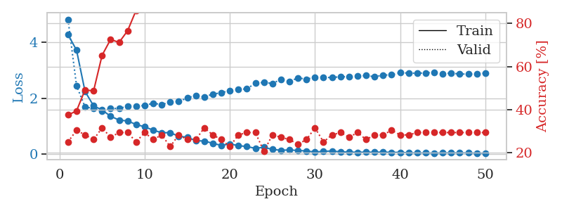
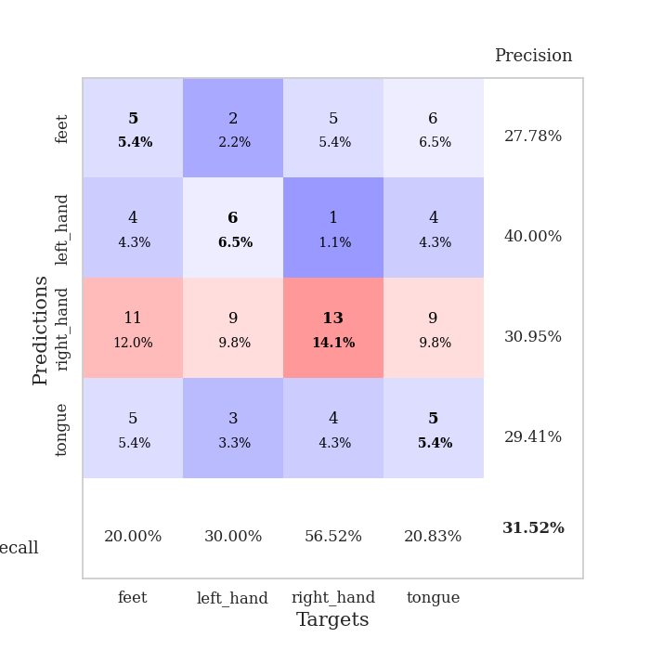
train_loss | valid_loss | train_accuracy | valid_accuracy | dur | train_misclass | valid_misclass
4.2764643794 | 4.8243935419 | 0.375 | 0.25 | 0.10903525352 | 37.5 | 25
3.7214633382 | 2.4467097262 | 0.39402173913 | 0.30434782609 | 0.10213661194 | 39.402173913 | 30.434782609
2.2415256293 | 1.6873306606 | 0.49184782609 | 0.28260869565 | 0.10091376305 | 49.184782609 | 28.260869565
1.7299527034 | 1.6328318223 | 0.48641304348 | 0.26086956522 | 0.1082470417 | 48.641304348 | 26.086956522
1.5782349835 | 1.5320097467 | 0.65217391304 | 0.3152173913 | 0.11082291603 | 65.217391304 | 31.52173913
1.3543276269 | 1.6314512802 | 0.72554347826 | 0.27173913043 | 0.10190534592 | 72.554347826 | 27.173913043
1.2184983647 | 1.6351816965 | 0.71195652174 | 0.29347826087 | 0.107858181 | 71.195652174 | 29.347826087
1.1839710189 | 1.7146466297 | 0.76630434783 | 0.29347826087 | 0.10132074356 | 76.630434783 | 29.347826087
1.0606002834 | 1.7142583132 | 0.86141304348 | 0.25 | 0.10216236115 | 86.141304348 | 25
0.97426964407 | 1.7402111344 | 0.8722826087 | 0.29347826087 | 0.10386896133 | 87.22826087 | 29.347826087
0.85809701552 | 1.8215952334 | 0.92391304348 | 0.26086956522 | 0.10860133171 | 92.391304348 | 26.086956522
0.76458000489 | 1.7710696562 | 0.92119565217 | 0.28260869565 | 0.11280107498 | 92.119565217 | 28.260869565
0.76764168558 | 1.8597608857 | 0.96739130435 | 0.22826086957 | 0.1041738987 | 96.739130435 | 22.826086957
0.63652660795 | 1.8826893516 | 0.96739130435 | 0.28260869565 | 0.10459113121 | 96.739130435 | 28.260869565
0.60420968157 | 2.0071091445 | 0.97554347826 | 0.26086956522 | 0.1008644104 | 97.554347826 | 26.086956522
0.48090845606 | 2.1019124 | 0.98369565217 | 0.26086956522 | 0.096873760223 | 98.369565217 | 26.086956522
0.46643435566 | 2.0446479787 | 1 | 0.3152173913 | 0.095264196396 | 100 | 31.52173913
0.38639955287 | 2.1483241786 | 1 | 0.28260869565 | 0.095965623856 | 100 | 28.260869565
0.31033582856 | 2.1942340239 | 1 | 0.26086956522 | 0.095136404037 | 100 | 26.086956522
0.36335435963 | 2.2774697905 | 1 | 0.22826086957 | 0.093922376633 | 100 | 22.826086957
0.30291020805 | 2.3171556618 | 1 | 0.28260869565 | 0.095007896423 | 100 | 28.260869565
0.26886522997 | 2.3320202309 | 1 | 0.29347826087 | 0.094766139984 | 100 | 29.347826087
0.20599273787 | 2.5408788142 | 1 | 0.29347826087 | 0.096046924591 | 100 | 29.347826087
0.24326224593 | 2.564966124 | 1 | 0.20652173913 | 0.10412669182 | 100 | 20.652173913
0.16646383022 | 2.5290908295 | 1 | 0.28260869565 | 0.11403203011 | 100 | 28.260869565
0.13606707541 | 2.6741608848 | 1 | 0.27173913043 | 0.10793828964 | 100 | 27.173913043
0.14830866326 | 2.5946097167 | 1 | 0.26086956522 | 0.10567951202 | 100 | 26.086956522
0.12801186449 | 2.7304503503 | 1 | 0.23913043478 | 0.11079287529 | 100 | 23.913043478
0.11273689681 | 2.6800213171 | 1 | 0.26086956522 | 0.11154913902 | 100 | 26.086956522
0.071566049657 | 2.7564810152 | 1 | 0.3152173913 | 0.10433888435 | 100 | 31.52173913
0.10000407056 | 2.7537222116 | 1 | 0.25 | 0.10420441628 | 100 | 25
0.10883044686 | 2.7356894638 | 1 | 0.28260869565 | 0.10479736328 | 100 | 28.260869565
0.080791138032 | 2.775633926 | 1 | 0.29347826087 | 0.10796952248 | 100 | 29.347826087
0.071738448237 | 2.7605852977 | 1 | 0.27173913043 | 0.1022810936 | 100 | 27.173913043
0.06421486013 | 2.7944605143 | 1 | 0.29347826087 | 0.10115265846 | 100 | 29.347826087
0.068703177426 | 2.8099670617 | 1 | 0.26086956522 | 0.11064934731 | 100 | 26.086956522
0.065386991179 | 2.771387235 | 1 | 0.28260869565 | 0.11016392708 | 100 | 28.260869565
0.072870052703 | 2.8235873036 | 1 | 0.28260869565 | 0.10688447952 | 100 | 28.260869565
0.057759246586 | 2.8433969435 | 1 | 0.30434782609 | 0.11503791809 | 100 | 30.434782609
0.062351411897 | 2.9119998787 | 1 | 0.28260869565 | 0.10905051231 | 100 | 28.260869565
0.045069962011 | 2.9013644301 | 1 | 0.28260869565 | 0.10767126083 | 100 | 28.260869565
0.042354335158 | 2.8935386927 | 1 | 0.29347826087 | 0.10103106499 | 100 | 29.347826087
0.040434402211 | 2.9082278894 | 1 | 0.29347826087 | 0.10872721672 | 100 | 29.347826087
0.036656356558 | 2.9209888085 | 1 | 0.29347826087 | 0.10796070099 | 100 | 29.347826087
0.041914826138 | 2.8822541133 | 1 | 0.29347826087 | 0.11376667023 | 100 | 29.347826087
0.044225470548 | 2.8995809244 | 1 | 0.29347826087 | 0.10804891586 | 100 | 29.347826087
0.042476770266 | 2.8655046173 | 1 | 0.29347826087 | 0.10653829575 | 100 | 29.347826087
0.042415837879 | 2.8675393747 | 1 | 0.29347826087 | 0.10316872597 | 100 | 29.347826087
0.036693212009 | 2.8603728336 | 1 | 0.29347826087 | 0.11306023598 | 100 | 29.347826087
0.03329368786 | 2.90170059 | 1 | 0.29347826087 | 0.10965371132 | 100 | 29.347826087

Best Val accuracy is 0.31521739130434784 and Best test accuracy is 0.20689655172413793

Sheet9
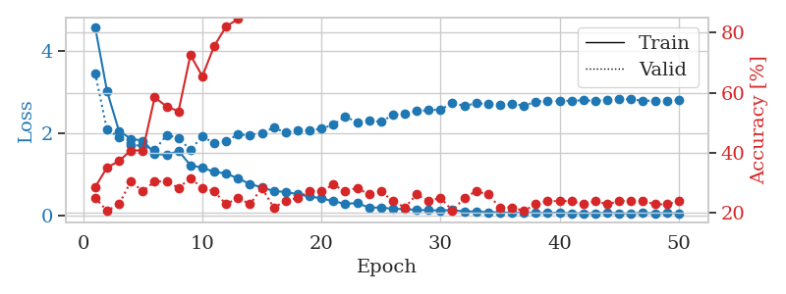
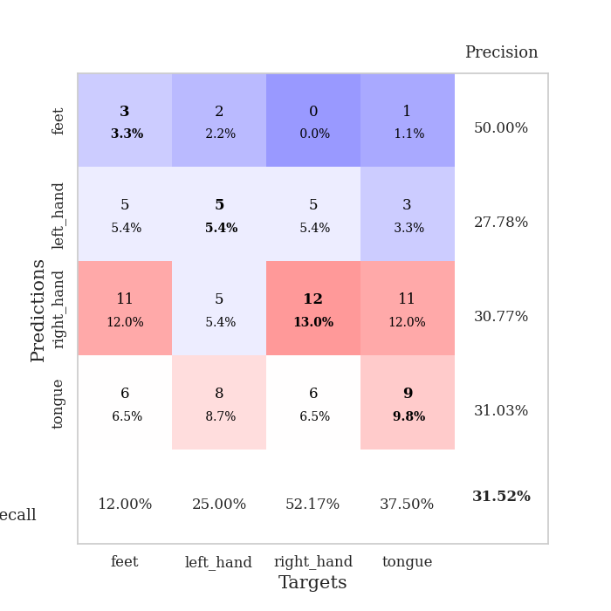
train_loss | valid_loss | train_accuracy | valid_accuracy | dur | train_misclass | valid_misclass
4.597290236 | 3.4711834348 | 0.28532608696 | 0.25 | 0.11091852188 | 28.532608696 | 25
3.029415452 | 2.0847260537 | 0.35054347826 | 0.20652173913 | 0.10820531845 | 35.054347826 | 20.652173913
2.057916947 | 1.914131149 | 0.3722826087 | 0.22826086957 | 0.10615563393 | 37.22826087 | 22.826086957
1.8664796352 | 1.7023985852 | 0.40760869565 | 0.30434782609 | 0.10947942734 | 40.760869565 | 30.434782609
1.8199553127 | 1.7045898541 | 0.40760869565 | 0.27173913043 | 0.10942149162 | 40.760869565 | 27.173913043
1.5058731255 | 1.5866668587 | 0.58423913043 | 0.30434782609 | 0.10459208488 | 58.423913043 | 30.434782609
1.4666286836 | 1.9569636687 | 0.55434782609 | 0.30434782609 | 0.10829472542 | 55.434782609 | 30.434782609
1.5700362299 | 1.8858190879 | 0.53804347826 | 0.28260869565 | 0.10484623909 | 53.804347826 | 28.260869565
1.2209534516 | 1.5905834436 | 0.72554347826 | 0.3152173913 | 0.11440777779 | 72.554347826 | 31.52173913
1.1565328448 | 1.9286157307 | 0.65489130435 | 0.28260869565 | 0.11038923264 | 65.489130435 | 28.260869565
1.0590774313 | 1.751804186 | 0.75543478261 | 0.27173913043 | 0.10817217827 | 75.543478261 | 27.173913043
1.0179114134 | 1.8130071837 | 0.82065217391 | 0.22826086957 | 0.10680413246 | 82.065217391 | 22.826086957
0.89666508333 | 1.9663625437 | 0.84510869565 | 0.25 | 0.11383795738 | 84.510869565 | 25
0.76163339744 | 1.9584710443 | 0.90760869565 | 0.22826086957 | 0.10636973381 | 90.760869565 | 22.826086957
0.67819911889 | 2.0119126361 | 0.92934782609 | 0.28260869565 | 0.10411858559 | 92.934782609 | 28.260869565
0.58841830492 | 2.1334801757 | 0.93206521739 | 0.21739130435 | 0.098042726517 | 93.206521739 | 21.739130435
0.56740478588 | 2.0174273926 | 0.96739130435 | 0.23913043478 | 0.10320830345 | 96.739130435 | 23.913043478
0.51120315816 | 2.0765824525 | 0.96739130435 | 0.25 | 0.10103678703 | 96.739130435 | 25
0.45605172346 | 2.0660142432 | 0.9972826087 | 0.27173913043 | 0.10463738441 | 99.72826087 | 27.173913043
0.41266193532 | 2.1137533032 | 1 | 0.27173913043 | 0.10878872871 | 100 | 27.173913043
0.33975745932 | 2.2090474004 | 0.99456521739 | 0.29347826087 | 0.10195493698 | 99.456521739 | 29.347826087
0.27726423643 | 2.4134742747 | 0.9972826087 | 0.27173913043 | 0.10591459274 | 99.72826087 | 27.173913043
0.29634955882 | 2.267977585 | 1 | 0.28260869565 | 0.10701274872 | 100 | 28.260869565
0.18399541712 | 2.3015529436 | 1 | 0.26086956522 | 0.10161304474 | 100 | 26.086956522
0.18675892314 | 2.2852640774 | 1 | 0.27173913043 | 0.11397624016 | 100 | 27.173913043
0.15458061627 | 2.4438037872 | 1 | 0.23913043478 | 0.10917973518 | 100 | 23.913043478
0.14780239064 | 2.4796284282 | 1 | 0.21739130435 | 0.10912704468 | 100 | 21.739130435
0.12795074689 | 2.5427804097 | 1 | 0.26086956522 | 0.10104513168 | 100 | 26.086956522
0.12147206538 | 2.565921431 | 1 | 0.23913043478 | 0.1054623127 | 100 | 23.913043478
0.11460573647 | 2.5817679011 | 1 | 0.25 | 0.10537195206 | 100 | 25
0.12480280079 | 2.7353130838 | 1 | 0.20652173913 | 0.10179829597 | 100 | 20.652173913
0.08852140241 | 2.671589613 | 1 | 0.25 | 0.11311030388 | 100 | 25
0.092178522407 | 2.7317305959 | 1 | 0.27173913043 | 0.10562610626 | 100 | 27.173913043
0.071598311157 | 2.7205178116 | 1 | 0.26086956522 | 0.10918784142 | 100 | 26.086956522
0.071811042078 | 2.6946193861 | 1 | 0.21739130435 | 0.10589385033 | 100 | 21.739130435
0.055366554217 | 2.7200088708 | 1 | 0.21739130435 | 0.10438394547 | 100 | 21.739130435
0.059478414204 | 2.6752004105 | 1 | 0.20652173913 | 0.10865163803 | 100 | 20.652173913
0.05846405167 | 2.7689558734 | 1 | 0.22826086957 | 0.10511541367 | 100 | 22.826086957
0.049258008761 | 2.7933290005 | 1 | 0.23913043478 | 0.1045088768 | 100 | 23.913043478
0.062639821483 | 2.7867599985 | 1 | 0.23913043478 | 0.10547351837 | 100 | 23.913043478
0.043783753058 | 2.7962786944 | 1 | 0.23913043478 | 0.10685682297 | 100 | 23.913043478
0.048945274042 | 2.8041185918 | 1 | 0.22826086957 | 0.10955834389 | 100 | 22.826086957
0.047325634641 | 2.7953017069 | 1 | 0.23913043478 | 0.10476541519 | 100 | 23.913043478
0.061267627039 | 2.8026537792 | 1 | 0.22826086957 | 0.10899996758 | 100 | 22.826086957
0.0447947208 | 2.838727101 | 1 | 0.23913043478 | 0.10961914062 | 100 | 23.913043478
0.043362081699 | 2.8291078339 | 1 | 0.23913043478 | 0.099413394928 | 100 | 23.913043478
0.056426394974 | 2.7933101136 | 1 | 0.23913043478 | 0.10952329636 | 100 | 23.913043478
0.047769661912 | 2.7984348276 | 1 | 0.22826086957 | 0.10914850235 | 100 | 22.826086957
0.052176891097 | 2.7807421477 | 1 | 0.22826086957 | 0.1054725647 | 100 | 22.826086957
0.046136152283 | 2.8122396676 | 1 | 0.23913043478 | 0.10561203957 | 100 | 23.913043478

Best Val accuracy is 0.31521739130434784 and Best test accuracy is 0.2413793103448276

Sheet10
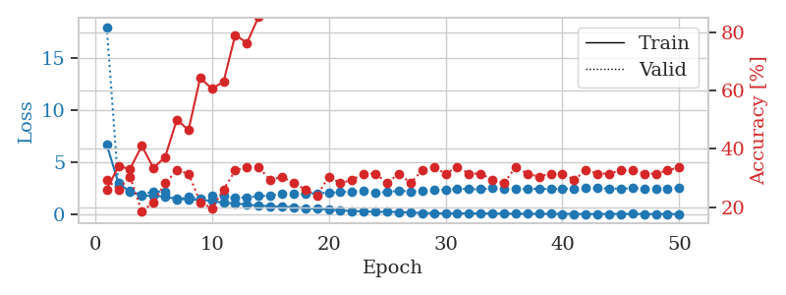
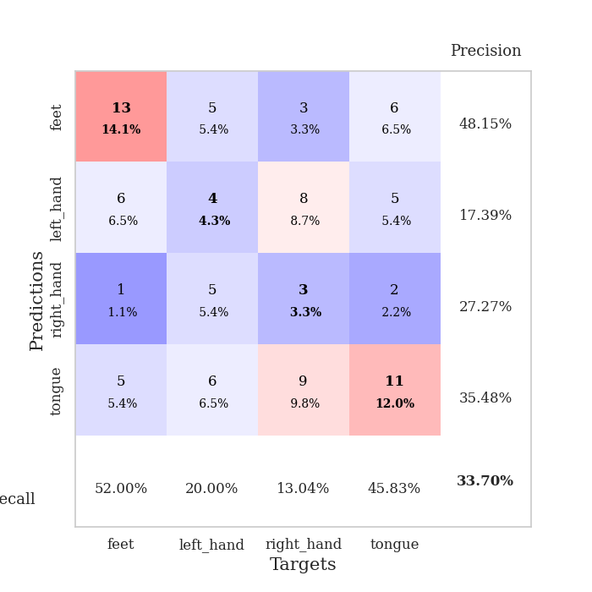
train_loss | valid_loss | train_accuracy | valid_accuracy | dur | train_misclass | valid_misclass
6.7349794377 | 18.007265381 | 0.26086956522 | 0.29347826087 | 0.10421299934 | 26.086956522 | 29.347826087
3.0018067204 | 2.7484619825 | 0.33967391304 | 0.26086956522 | 0.10253310204 | 33.967391304 | 26.086956522
2.1856382308 | 2.3319703652 | 0.33152173913 | 0.30434782609 | 0.10513687134 | 33.152173913 | 30.434782609
1.8322114374 | 1.9539360223 | 0.41032608696 | 0.1847826087 | 0.10187125206 | 41.032608696 | 18.47826087
1.8101709122 | 2.1985080968 | 0.33423913043 | 0.21739130435 | 0.10982728004 | 33.423913043 | 21.739130435
1.7074231687 | 2.196293976 | 0.3722826087 | 0.28260869565 | 0.10889101028 | 37.22826087 | 28.260869565
1.5085672244 | 1.3948306623 | 0.5 | 0.32608695652 | 0.10629963875 | 50 | 32.608695652
1.4417770116 | 1.7228024887 | 0.46467391304 | 0.3152173913 | 0.10393571854 | 46.467391304 | 31.52173913
1.4131440209 | 1.5473209412 | 0.64402173913 | 0.21739130435 | 0.10554361343 | 64.402173913 | 21.739130435
1.3223757407 | 1.7906269613 | 0.60597826087 | 0.19565217391 | 0.10670042038 | 60.597826087 | 19.565217391
1.1100225215 | 1.7732938632 | 0.63043478261 | 0.26086956522 | 0.11015367508 | 63.043478261 | 26.086956522
1.0885310847 | 1.6118191843 | 0.79076086957 | 0.32608695652 | 0.1116039753 | 79.076086957 | 32.608695652
0.93410721033 | 1.656847109 | 0.76358695652 | 0.33695652174 | 0.11710572243 | 76.358695652 | 33.695652174
0.86817489629 | 1.7764324105 | 0.85326086957 | 0.33695652174 | 0.110247612 | 85.326086957 | 33.695652174
0.80270796755 | 1.835302866 | 0.88586956522 | 0.29347826087 | 0.10831928253 | 88.586956522 | 29.347826087
0.73398413736 | 1.9992180285 | 0.90217391304 | 0.30434782609 | 0.10936951637 | 90.217391304 | 30.434782609
0.71820958671 | 1.9635063513 | 0.9375 | 0.28260869565 | 0.10543179512 | 93.75 | 28.260869565
0.581906399 | 1.9999234106 | 0.96195652174 | 0.26086956522 | 0.10609579086 | 96.195652174 | 26.086956522
0.559166929 | 2.0446412045 | 0.98913043478 | 0.23913043478 | 0.10297608376 | 98.913043478 | 23.913043478
0.48735415676 | 2.0950892749 | 0.97826086957 | 0.30434782609 | 0.1103079319 | 97.826086957 | 30.434782609
0.3866310463 | 2.1448184252 | 0.9972826087 | 0.28260869565 | 0.10797142982 | 99.72826087 | 28.260869565
0.34415865592 | 2.2312847635 | 1 | 0.29347826087 | 0.099432468414 | 100 | 29.347826087
0.30691409435 | 2.2760578601 | 0.99456521739 | 0.3152173913 | 0.10926818848 | 99.456521739 | 31.52173913
0.25790607962 | 2.1130702755 | 1 | 0.3152173913 | 0.11210203171 | 100 | 31.52173913
0.2619827921 | 2.1561839218 | 1 | 0.28260869565 | 0.1063542366 | 100 | 28.260869565
0.24337702147 | 2.2971934806 | 1 | 0.3152173913 | 0.10731124878 | 100 | 31.52173913
0.19106431921 | 2.2101564459 | 1 | 0.28260869565 | 0.11140727997 | 100 | 28.260869565
0.15939522599 | 2.2377108076 | 1 | 0.32608695652 | 0.10749673843 | 100 | 32.608695652
0.12255611789 | 2.3363423555 | 1 | 0.33695652174 | 0.11228752136 | 100 | 33.695652174
0.11169338777 | 2.3542392306 | 1 | 0.3152173913 | 0.10972714424 | 100 | 31.52173913
0.11927098238 | 2.5069158596 | 1 | 0.33695652174 | 0.10862421989 | 100 | 33.695652174
0.11462201866 | 2.4268131049 | 1 | 0.3152173913 | 0.11395812035 | 100 | 31.52173913
0.10525635411 | 2.445571096 | 1 | 0.3152173913 | 0.10690355301 | 100 | 31.52173913
0.10057323507 | 2.5319876515 | 1 | 0.29347826087 | 0.10913515091 | 100 | 29.347826087
0.093905317476 | 2.4340831093 | 1 | 0.28260869565 | 0.11064553261 | 100 | 28.260869565
0.078197183047 | 2.4595049205 | 1 | 0.33695652174 | 0.097454786301 | 100 | 33.695652174
0.082584706095 | 2.4459405308 | 1 | 0.3152173913 | 0.0979347229 | 100 | 31.52173913
0.072772705766 | 2.4791318593 | 1 | 0.30434782609 | 0.097484111786 | 100 | 30.434782609
0.073492450275 | 2.4482845483 | 1 | 0.3152173913 | 0.097053289413 | 100 | 31.52173913
0.064567481208 | 2.4866985083 | 1 | 0.3152173913 | 0.10588717461 | 100 | 31.52173913
0.064333382953 | 2.4896212091 | 1 | 0.29347826087 | 0.099663972855 | 100 | 29.347826087
0.053307354491 | 2.5330971272 | 1 | 0.32608695652 | 0.099472284317 | 100 | 32.608695652
0.047675374005 | 2.5259398377 | 1 | 0.3152173913 | 0.10007166862 | 100 | 31.52173913
0.059871613696 | 2.514320954 | 1 | 0.3152173913 | 0.10546469688 | 100 | 31.52173913
0.063544079418 | 2.4827093404 | 1 | 0.32608695652 | 0.097900867462 | 100 | 32.608695652
0.068038967398 | 2.5370419596 | 1 | 0.32608695652 | 0.10713171959 | 100 | 32.608695652
0.055682829946 | 2.5138832538 | 1 | 0.3152173913 | 0.10423803329 | 100 | 31.52173913
0.043931179437 | 2.479167959 | 1 | 0.3152173913 | 0.1081533432 | 100 | 31.52173913
0.054221704035 | 2.5108976312 | 1 | 0.32608695652 | 0.10720682144 | 100 | 32.608695652
0.043129467122 | 2.5306218189 | 1 | 0.33695652174 | 0.10685038567 | 100 | 33.695652174

Best Val accuracy is 0.33695652173913043 and Best test accuracy is 0.39655172413793105

