Sheet
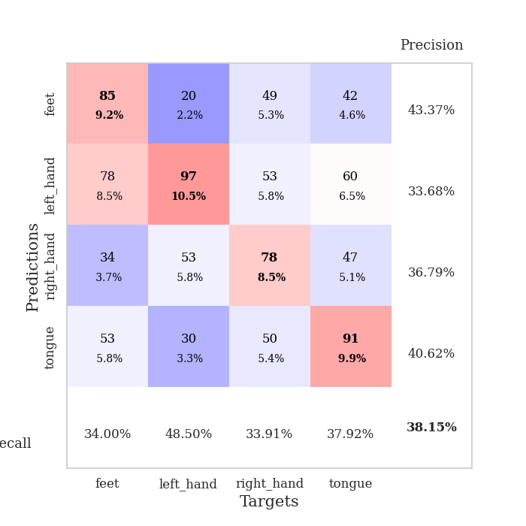
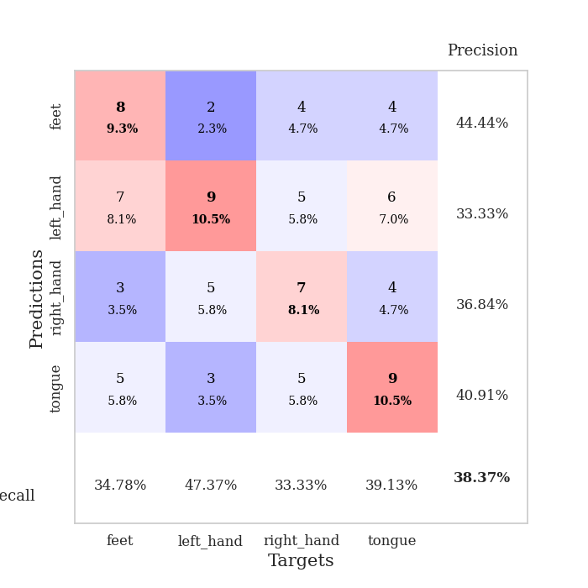
best_val_acc | best_val_los | best_test_acc
0.36956521739 | 1.6843845896 | 0.29310344828
0.38043478261 | 1.6190113296 | 0.34482758621
0.36956521739 | 1.7257617919 | 0.20689655172
0.38043478261 | 1.5805918393 | 0.3275862069
0.40217391304 | 1.59427223 | 0.25
0.39130434783 | 1.601934319 | 0.25
0.39130434783 | 1.5320753999 | 0.24137931034
0.33695652174 | 1.6104280482 | 0.25862068966
0.38043478261 | 1.8159309677 | 0.25862068966
0.41304347826 | 1.477802344 | 0.25862068966

Mean,std Val accuracy is 0.3815217391304348 , 0.020782073043043466 and mean, std test accuracy is 0.26896551724137935 , 0.041403249780064086

Sheet1
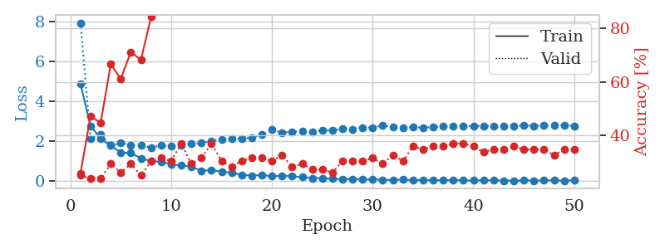
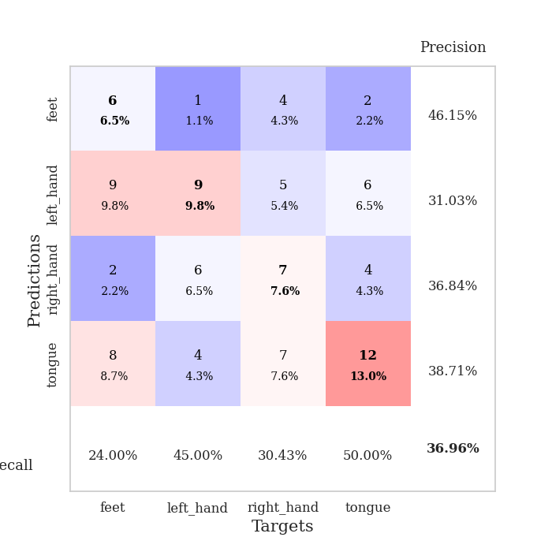
train_loss | valid_loss | train_accuracy | valid_accuracy | dur | train_misclass | valid_misclass
4.8813365853 | 7.9438279401 | 0.25815217391 | 0.25 | 0.10637569427 | 25.815217391 | 25
2.7806696736 | 2.1542625324 | 0.47282608696 | 0.23913043478 | 0.10492157936 | 47.282608696 | 23.913043478
2.141656803 | 2.3669194139 | 0.44565217391 | 0.23913043478 | 0.1137046814 | 44.565217391 | 23.913043478
1.7873292539 | 1.7977102269 | 0.66576086957 | 0.29347826087 | 0.10250711441 | 66.576086957 | 29.347826087
1.4412983138 | 1.9154748813 | 0.61141304348 | 0.26086956522 | 0.10143828392 | 61.141304348 | 26.086956522
1.4164702504 | 1.8225619067 | 0.71195652174 | 0.29347826087 | 0.11180830002 | 71.195652174 | 29.347826087
1.156577788 | 1.8159847881 | 0.68206521739 | 0.25 | 0.1099691391 | 68.206521739 | 25
1.0097879068 | 1.6843845896 | 0.84239130435 | 0.30434782609 | 0.10502028465 | 84.239130435 | 30.434782609
0.98060480278 | 1.8044802624 | 0.89402173913 | 0.3152173913 | 0.10607385635 | 89.402173913 | 31.52173913
0.84372666089 | 1.7604591535 | 0.92663043478 | 0.30434782609 | 0.10933327675 | 92.663043478 | 30.434782609
0.79940712841 | 1.8093645832 | 0.95380434783 | 0.36956521739 | 0.10962128639 | 95.380434783 | 36.956521739
0.73374806021 | 1.8964555523 | 0.94293478261 | 0.29347826087 | 0.10975027084 | 94.293478261 | 29.347826087
0.52734574416 | 1.9161264171 | 0.98369565217 | 0.3152173913 | 0.10397100449 | 98.369565217 | 31.52173913
0.5544944587 | 2.0117953964 | 0.98913043478 | 0.36956521739 | 0.10437965393 | 98.913043478 | 36.956521739
0.49272377076 | 2.1173301469 | 0.98641304348 | 0.30434782609 | 0.10303020477 | 98.641304348 | 30.434782609
0.42322391077 | 2.1342347601 | 0.9972826087 | 0.28260869565 | 0.11388468742 | 99.72826087 | 28.260869565
0.32870872254 | 2.150559047 | 1 | 0.30434782609 | 0.10304069519 | 100 | 30.434782609
0.28712034355 | 2.1875391732 | 0.9972826087 | 0.3152173913 | 0.1033782959 | 99.72826087 | 31.52173913
0.31522711042 | 2.3569695535 | 1 | 0.3152173913 | 0.10912299156 | 100 | 31.52173913
0.25383584558 | 2.5785947157 | 0.99456521739 | 0.30434782609 | 0.10719013214 | 99.456521739 | 30.434782609
0.28175444221 | 2.4427522576 | 0.9972826087 | 0.32608695652 | 0.1056830883 | 99.72826087 | 32.608695652
0.25683696357 | 2.4881233651 | 1 | 0.28260869565 | 0.11001205444 | 100 | 28.260869565
0.20641143134 | 2.522140166 | 1 | 0.29347826087 | 0.10859036446 | 100 | 29.347826087
0.16176684509 | 2.478068217 | 1 | 0.27173913043 | 0.10548830032 | 100 | 27.173913043
0.1479536133 | 2.5572469442 | 1 | 0.27173913043 | 0.11068964005 | 100 | 27.173913043
0.123448345 | 2.5464208333 | 1 | 0.26086956522 | 0.10967469215 | 100 | 26.086956522
0.093218733759 | 2.6480559059 | 1 | 0.30434782609 | 0.10249686241 | 100 | 30.434782609
0.12009608486 | 2.5856424933 | 1 | 0.30434782609 | 0.10903787613 | 100 | 30.434782609
0.085145335644 | 2.6803003498 | 1 | 0.30434782609 | 0.10162496567 | 100 | 30.434782609
0.098391596552 | 2.7008842074 | 1 | 0.3152173913 | 0.11051034927 | 100 | 31.52173913
0.078657318716 | 2.7974953962 | 1 | 0.29347826087 | 0.10170245171 | 100 | 29.347826087
0.062859469417 | 2.7222901946 | 1 | 0.32608695652 | 0.10180425644 | 100 | 32.608695652
0.092581577113 | 2.6943169158 | 1 | 0.30434782609 | 0.1052968502 | 100 | 30.434782609
0.053608115681 | 2.7160691489 | 1 | 0.35869565217 | 0.10775923729 | 100 | 35.869565217
0.065691857639 | 2.6969833892 | 1 | 0.34782608696 | 0.1087167263 | 100 | 34.782608696
0.058569294562 | 2.7189078435 | 1 | 0.35869565217 | 0.10667181015 | 100 | 35.869565217
0.049576832629 | 2.7465451489 | 1 | 0.35869565217 | 0.12129950523 | 100 | 35.869565217
0.062923903901 | 2.7800699524 | 1 | 0.36956521739 | 0.12089252472 | 100 | 36.956521739
0.041283166238 | 2.7713605736 | 1 | 0.36956521739 | 0.11462211609 | 100 | 36.956521739
0.045549211781 | 2.7679474976 | 1 | 0.35869565217 | 0.11048388481 | 100 | 35.869565217
0.039717435412 | 2.7820527968 | 1 | 0.33695652174 | 0.10668301582 | 100 | 33.695652174
0.054560688729 | 2.775073974 | 1 | 0.34782608696 | 0.10993361473 | 100 | 34.782608696
0.035664257512 | 2.7702686994 | 1 | 0.34782608696 | 0.1017935276 | 100 | 34.782608696
0.029446283315 | 2.7806020716 | 1 | 0.35869565217 | 0.10512018204 | 100 | 35.869565217
0.0468385748 | 2.7935517664 | 1 | 0.34782608696 | 0.10183858871 | 100 | 34.782608696
0.036148407335 | 2.7814445703 | 1 | 0.34782608696 | 0.10366773605 | 100 | 34.782608696
0.045149496635 | 2.7898049251 | 1 | 0.34782608696 | 0.10560655594 | 100 | 34.782608696
0.0487709571 | 2.8075470095 | 1 | 0.32608695652 | 0.1054444313 | 100 | 32.608695652
0.034711972 | 2.8135165961 | 1 | 0.34782608696 | 0.10572957993 | 100 | 34.782608696
0.047711549853 | 2.7806183774 | 1 | 0.34782608696 | 0.10664057732 | 100 | 34.782608696

Best Val accuracy is 0.3695652173913043 and Best test accuracy is 0.29310344827586204

Sheet2
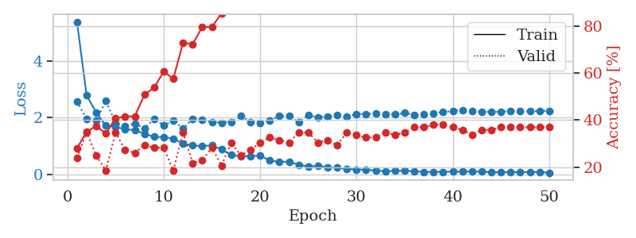
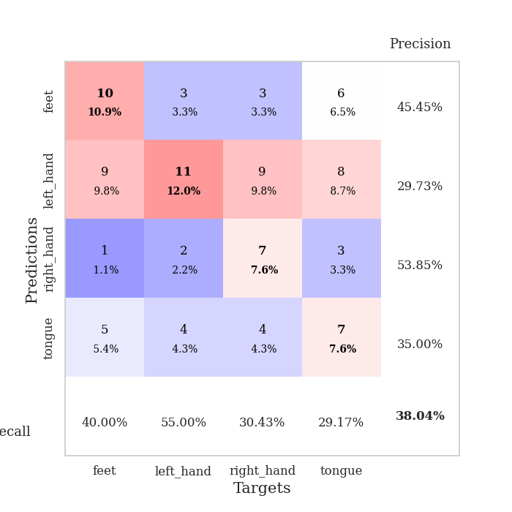
train_loss | valid_loss | train_accuracy | valid_accuracy | dur | train_misclass | valid_misclass
5.3842515323 | 2.5680606365 | 0.27989130435 | 0.23913043478 | 0.09882569313 | 27.989130435 | 23.913043478
2.7812593657 | 1.9518590077 | 0.35054347826 | 0.34782608696 | 0.095607757568 | 35.054347826 | 34.782608696
2.1778712428 | 1.8875055935 | 0.375 | 0.25 | 0.094962596893 | 37.5 | 25
1.7110599487 | 2.5891929191 | 0.34239130435 | 0.1847826087 | 0.095189571381 | 34.239130435 | 18.47826087
1.6724040871 | 1.8044810088 | 0.40760869565 | 0.34782608696 | 0.095313072205 | 40.760869565 | 34.782608696
1.5836691519 | 1.6917713155 | 0.41576086957 | 0.27173913043 | 0.1010594368 | 41.576086957 | 27.173913043
1.5601210698 | 1.7898321255 | 0.41576086957 | 0.26086956522 | 0.098637580872 | 41.576086957 | 26.086956522
1.4199925039 | 1.623992723 | 0.50815217391 | 0.29347826087 | 0.10166692734 | 50.815217391 | 29.347826087
1.3191240223 | 1.9520693758 | 0.53804347826 | 0.28260869565 | 0.095669984818 | 53.804347826 | 28.260869565
1.3040543769 | 1.7225606441 | 0.60597826087 | 0.28260869565 | 0.095693826675 | 60.597826087 | 28.260869565
1.25849099 | 1.8916330441 | 0.57608695652 | 0.1847826087 | 0.09627866745 | 57.608695652 | 18.47826087
1.0767388992 | 1.6190113296 | 0.72826086957 | 0.34782608696 | 0.095461130142 | 72.826086957 | 34.782608696
1.0109917599 | 1.9497681804 | 0.72282608696 | 0.21739130435 | 0.095249891281 | 72.282608696 | 21.739130435
0.99221983422 | 1.9312318615 | 0.79619565217 | 0.22826086957 | 0.095611810684 | 79.619565217 | 22.826086957
1.0175367257 | 1.8448921805 | 0.79619565217 | 0.28260869565 | 0.095545768738 | 79.619565217 | 28.260869565
0.87093025057 | 1.8218239287 | 0.85326086957 | 0.20652173913 | 0.096058368683 | 85.326086957 | 20.652173913
0.67779560193 | 1.8399515256 | 0.88315217391 | 0.30434782609 | 0.095296859741 | 88.315217391 | 30.434782609
0.63313741528 | 2.0477833852 | 0.92663043478 | 0.25 | 0.096007347107 | 92.663043478 | 25
0.63670875845 | 1.8503245063 | 0.97826086957 | 0.27173913043 | 0.097583770752 | 97.826086957 | 27.173913043
0.65766221091 | 1.7975247114 | 0.98641304348 | 0.30434782609 | 0.11002659798 | 98.641304348 | 30.434782609
0.48209560436 | 1.901374309 | 0.97826086957 | 0.32608695652 | 0.10761237144 | 97.826086957 | 32.608695652
0.43578005485 | 2.0518572019 | 0.98641304348 | 0.3152173913 | 0.11122846603 | 98.641304348 | 31.52173913
0.43980554653 | 2.0621554437 | 1 | 0.30434782609 | 0.11765670776 | 100 | 30.434782609
0.33388714039 | 1.8230492861 | 0.99456521739 | 0.34782608696 | 0.10119056702 | 99.456521739 | 34.782608696
0.27221724197 | 2.0794744595 | 0.9972826087 | 0.34782608696 | 0.10911250114 | 99.72826087 | 34.782608696
0.28892728233 | 2.0173563957 | 1 | 0.30434782609 | 0.11759090424 | 100 | 30.434782609
0.24007377498 | 2.0416404372 | 1 | 0.3152173913 | 0.10481095314 | 100 | 31.52173913
0.22745933772 | 2.0836633081 | 1 | 0.29347826087 | 0.10964345932 | 100 | 29.347826087
0.18480165983 | 2.03124547 | 1 | 0.34782608696 | 0.11626291275 | 100 | 34.782608696
0.16760903597 | 2.1233128776 | 1 | 0.33695652174 | 0.10956645012 | 100 | 33.695652174
0.15563385626 | 2.1270230749 | 1 | 0.32608695652 | 0.10918569565 | 100 | 32.608695652
0.12246221871 | 2.1437985482 | 1 | 0.32608695652 | 0.10802793503 | 100 | 32.608695652
0.10616852084 | 2.1039800022 | 1 | 0.34782608696 | 0.10974144936 | 100 | 34.782608696
0.11257152454 | 2.1074255757 | 1 | 0.33695652174 | 0.10905432701 | 100 | 33.695652174
0.12360749896 | 2.1682878785 | 1 | 0.34782608696 | 0.10609030724 | 100 | 34.782608696
0.098168126024 | 2.0831692841 | 1 | 0.36956521739 | 0.10988998413 | 100 | 36.956521739
0.083246956296 | 2.1042750296 | 1 | 0.36956521739 | 0.11054110527 | 100 | 36.956521739
0.078827934178 | 2.1444165085 | 1 | 0.38043478261 | 0.10591626167 | 100 | 38.043478261
0.084030997575 | 2.1930363593 | 1 | 0.38043478261 | 0.1108751297 | 100 | 38.043478261
0.086550145531 | 2.2333539362 | 1 | 0.36956521739 | 0.1125202179 | 100 | 36.956521739
0.089487426955 | 2.2713689493 | 1 | 0.35869565217 | 0.10229110718 | 100 | 35.869565217
0.091126481962 | 2.2195928719 | 1 | 0.33695652174 | 0.10043597221 | 100 | 33.695652174
0.092636726392 | 2.2085521428 | 1 | 0.35869565217 | 0.099222660065 | 100 | 35.869565217
0.062635009218 | 2.200025942 | 1 | 0.35869565217 | 0.10749912262 | 100 | 35.869565217
0.070022023809 | 2.2119435331 | 1 | 0.36956521739 | 0.10598826408 | 100 | 36.956521739
0.073868494562 | 2.2334120585 | 1 | 0.36956521739 | 0.10194373131 | 100 | 36.956521739
0.070739234514 | 2.2294204235 | 1 | 0.36956521739 | 0.10514307022 | 100 | 36.956521739
0.075050204101 | 2.2188307306 | 1 | 0.36956521739 | 0.10863876343 | 100 | 36.956521739
0.07506566025 | 2.2341648599 | 1 | 0.36956521739 | 0.10447883606 | 100 | 36.956521739
0.0493983136 | 2.2405839899 | 1 | 0.36956521739 | 0.10441160202 | 100 | 36.956521739

Best Val accuracy is 0.3804347826086957 and Best test accuracy is 0.3448275862068966

Sheet3
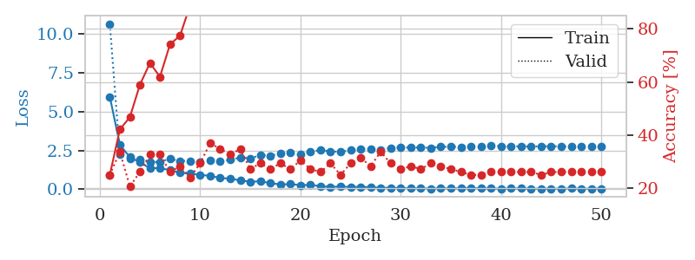
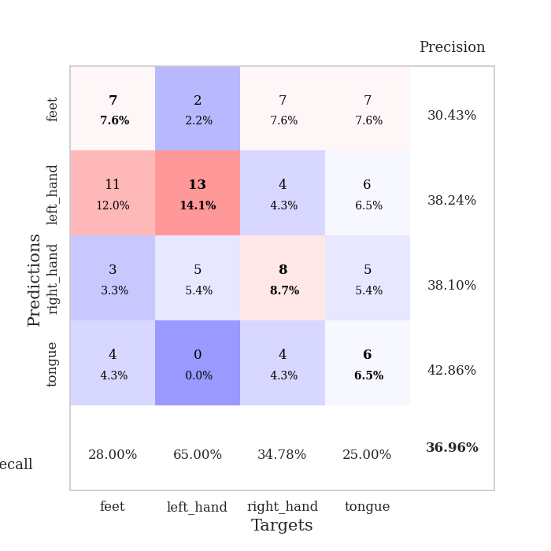
train_loss | valid_loss | train_accuracy | valid_accuracy | dur | train_misclass | valid_misclass
5.9635557247 | 10.655575503 | 0.25 | 0.25 | 0.095450878143 | 25 | 25
2.8560370725 | 2.2270168118 | 0.42119565217 | 0.33695652174 | 0.093127965927 | 42.119565217 | 33.695652174
2.0651255872 | 1.9848785608 | 0.46739130435 | 0.20652173913 | 0.093380689621 | 46.739130435 | 20.652173913
1.7297234172 | 1.9225117642 | 0.58967391304 | 0.26086956522 | 0.093329906464 | 58.967391304 | 26.086956522
1.3568838679 | 1.7257617919 | 0.67119565217 | 0.32608695652 | 0.093441009521 | 67.119565217 | 32.608695652
1.3647973615 | 1.7745711389 | 0.61956521739 | 0.32608695652 | 0.10044550896 | 61.956521739 | 32.608695652
1.2223437169 | 1.9536972772 | 0.74184782609 | 0.26086956522 | 0.113519907 | 74.184782609 | 26.086956522
1.0757357945 | 1.8299231218 | 0.77445652174 | 0.28260869565 | 0.1135931015 | 77.445652174 | 28.260869565
1.0033888584 | 1.830380901 | 0.88858695652 | 0.23913043478 | 0.11136865616 | 88.858695652 | 23.913043478
0.92345142365 | 1.7720421345 | 0.8722826087 | 0.29347826087 | 0.10459494591 | 87.22826087 | 29.347826087
0.86292913815 | 1.8343011607 | 0.91576086957 | 0.36956521739 | 0.10845947266 | 91.576086957 | 36.956521739
0.72229339895 | 1.7915133549 | 0.97010869565 | 0.34782608696 | 0.10870194435 | 97.010869565 | 34.782608696
0.68157306573 | 1.9025901971 | 0.98913043478 | 0.32608695652 | 0.10142111778 | 98.913043478 | 32.608695652
0.57095046536 | 2.0313732106 | 0.98369565217 | 0.34782608696 | 0.10538387299 | 98.369565217 | 34.782608696
0.47876620422 | 1.9920947189 | 0.9972826087 | 0.27173913043 | 0.11219096184 | 99.72826087 | 27.173913043
0.51251857307 | 2.1940713032 | 0.99184782609 | 0.29347826087 | 0.10447883606 | 99.184782609 | 29.347826087
0.39548639111 | 2.1640943237 | 1 | 0.27173913043 | 0.11067414284 | 100 | 27.173913043
0.30586142708 | 2.3026776832 | 1 | 0.29347826087 | 0.11399698257 | 100 | 29.347826087
0.32778974201 | 2.3419223039 | 1 | 0.27173913043 | 0.10902619362 | 100 | 27.173913043
0.26527374562 | 2.2347950987 | 1 | 0.30434782609 | 0.10901498795 | 100 | 30.434782609
0.27132740196 | 2.394213438 | 1 | 0.27173913043 | 0.10853457451 | 100 | 27.173913043
0.19953554885 | 2.5343771292 | 1 | 0.26086956522 | 0.1094315052 | 100 | 26.086956522
0.14471413584 | 2.4248889322 | 1 | 0.29347826087 | 0.10922217369 | 100 | 29.347826087
0.17477935083 | 2.4191825286 | 1 | 0.25 | 0.11398649216 | 100 | 25
0.14366362414 | 2.5045537119 | 1 | 0.29347826087 | 0.10863184929 | 100 | 29.347826087
0.15201000331 | 2.6102802753 | 1 | 0.3152173913 | 0.10546970367 | 100 | 31.52173913
0.13314705407 | 2.6107191314 | 1 | 0.28260869565 | 0.10720682144 | 100 | 28.260869565
0.092328034179 | 2.549681933 | 1 | 0.33695652174 | 0.10510158539 | 100 | 33.695652174
0.090960066523 | 2.6531023979 | 1 | 0.29347826087 | 0.1053006649 | 100 | 29.347826087
0.076722010808 | 2.6916203395 | 1 | 0.27173913043 | 0.11051797867 | 100 | 27.173913043
0.061566465494 | 2.6904898415 | 1 | 0.28260869565 | 0.10436654091 | 100 | 28.260869565
0.055456803464 | 2.6879710426 | 1 | 0.27173913043 | 0.10430669785 | 100 | 27.173913043
0.04529091728 | 2.6652996436 | 1 | 0.29347826087 | 0.10528445244 | 100 | 29.347826087
0.068315112963 | 2.7333276686 | 1 | 0.28260869565 | 0.10811567307 | 100 | 28.260869565
0.04602159171 | 2.7369486664 | 1 | 0.27173913043 | 0.10747694969 | 100 | 27.173913043
0.065635370577 | 2.7255180504 | 1 | 0.26086956522 | 0.10923361778 | 100 | 26.086956522
0.066627773011 | 2.7430082715 | 1 | 0.25 | 0.10491919518 | 100 | 25
0.057666097565 | 2.7379625362 | 1 | 0.25 | 0.10927939415 | 100 | 25
0.046966173342 | 2.7869079113 | 1 | 0.26086956522 | 0.1082546711 | 100 | 26.086956522
0.035502329874 | 2.7751960029 | 1 | 0.26086956522 | 0.11517763138 | 100 | 26.086956522
0.049462291291 | 2.7571453944 | 1 | 0.26086956522 | 0.10890173912 | 100 | 26.086956522
0.04842484052 | 2.7632884046 | 1 | 0.26086956522 | 0.10863757133 | 100 | 26.086956522
0.039226721365 | 2.74702946 | 1 | 0.26086956522 | 0.11023187637 | 100 | 26.086956522
0.041167586192 | 2.7677903383 | 1 | 0.25 | 0.11229610443 | 100 | 25
0.032677257393 | 2.7682500197 | 1 | 0.26086956522 | 0.10239052773 | 100 | 26.086956522
0.038999463472 | 2.7560821305 | 1 | 0.26086956522 | 0.10231184959 | 100 | 26.086956522
0.049282974645 | 2.7590173431 | 1 | 0.26086956522 | 0.10958695412 | 100 | 26.086956522
0.036235935946 | 2.7643895771 | 1 | 0.26086956522 | 0.10951256752 | 100 | 26.086956522
0.039231760549 | 2.7699679395 | 1 | 0.26086956522 | 0.10924506187 | 100 | 26.086956522
0.042156282205 | 2.7578001437 | 1 | 0.26086956522 | 0.10970377922 | 100 | 26.086956522

Best Val accuracy is 0.3695652173913043 and Best test accuracy is 0.20689655172413793

Sheet4
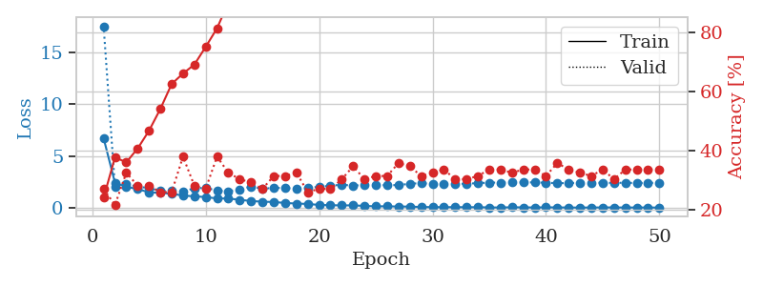
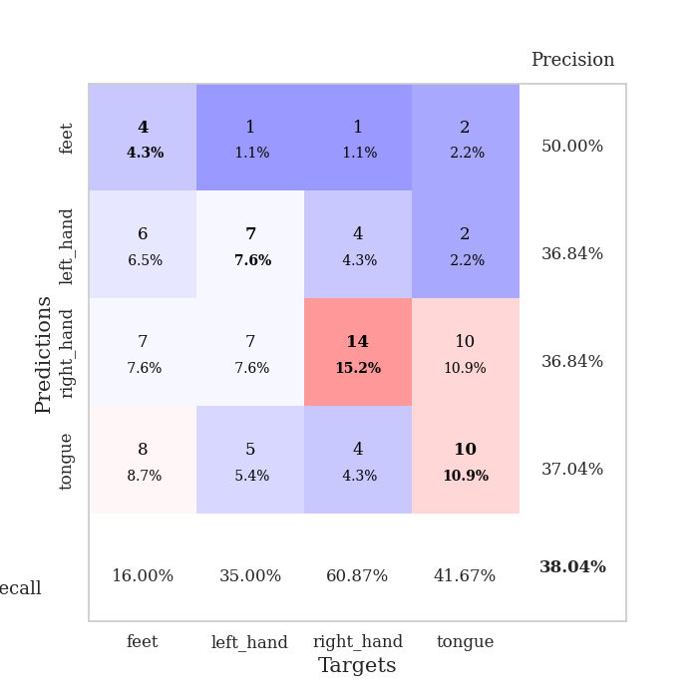
train_loss | valid_loss | train_accuracy | valid_accuracy | dur | train_misclass | valid_misclass
6.7139431083 | 17.476542431 | 0.24184782609 | 0.27173913043 | 0.10991215706 | 24.184782609 | 27.173913043
2.4187590609 | 2.0242921218 | 0.3777173913 | 0.21739130435 | 0.11089944839 | 37.77173913 | 21.739130435
2.0303350791 | 2.2743118017 | 0.36141304348 | 0.32608695652 | 0.10513281822 | 36.141304348 | 32.608695652
1.8154284695 | 2.0579878144 | 0.40760869565 | 0.28260869565 | 0.1163225174 | 40.760869565 | 28.260869565
1.499425914 | 1.8965840029 | 0.46739130435 | 0.28260869565 | 0.11532878876 | 46.739130435 | 28.260869565
1.4546499123 | 1.6348509218 | 0.54076086957 | 0.26086956522 | 0.1011903286 | 54.076086957 | 26.086956522
1.3566973469 | 1.6823391033 | 0.625 | 0.26086956522 | 0.10817146301 | 62.5 | 26.086956522
1.1959906298 | 1.5805918393 | 0.66032608696 | 0.38043478261 | 0.098661661148 | 66.032608696 | 38.043478261
1.1088335462 | 1.88592804 | 0.6902173913 | 0.28260869565 | 0.10543251038 | 69.02173913 | 28.260869565
1.0513431404 | 1.9314013668 | 0.75 | 0.27173913043 | 0.11302280426 | 75 | 27.173913043
0.90502348413 | 1.6685286501 | 0.8125 | 0.38043478261 | 0.10631513596 | 81.25 | 38.043478261
0.90946267999 | 1.6019116744 | 0.89945652174 | 0.32608695652 | 0.10606765747 | 89.945652174 | 32.608695652
0.77702304721 | 1.7820415497 | 0.89673913043 | 0.30434782609 | 0.099631547928 | 89.673913043 | 30.434782609
0.66816457588 | 2.0491655288 | 0.89130434783 | 0.29347826087 | 0.10586953163 | 89.130434783 | 29.347826087
0.59744122884 | 1.8460409227 | 0.95380434783 | 0.27173913043 | 0.099961042404 | 95.380434783 | 27.173913043
0.57142600158 | 1.9293871081 | 0.98097826087 | 0.3152173913 | 0.10956668854 | 98.097826087 | 31.52173913
0.47730895035 | 1.9143635501 | 0.96195652174 | 0.3152173913 | 0.10592293739 | 96.195652174 | 31.52173913
0.41914548239 | 1.8509233464 | 0.98369565217 | 0.32608695652 | 0.10963153839 | 98.369565217 | 32.608695652
0.38413208075 | 1.9109324113 | 0.9972826087 | 0.26086956522 | 0.10901498795 | 99.72826087 | 26.086956522
0.28529840351 | 2.0381128943 | 1 | 0.27173913043 | 0.11069917679 | 100 | 27.173913043
0.26266166924 | 2.1292767991 | 1 | 0.27173913043 | 0.1078350544 | 100 | 27.173913043
0.23786132459 | 2.2412127516 | 0.9972826087 | 0.30434782609 | 0.1094853878 | 99.72826087 | 30.434782609
0.24685990778 | 2.1312780588 | 1 | 0.34782608696 | 0.10528635979 | 100 | 34.782608696
0.18971611948 | 2.2279208017 | 1 | 0.30434782609 | 0.10759758949 | 100 | 30.434782609
0.15185254019 | 2.2243055883 | 1 | 0.3152173913 | 0.10609960556 | 100 | 31.52173913
0.15676451653 | 2.1788259226 | 1 | 0.3152173913 | 0.10995769501 | 100 | 31.52173913
0.13124589735 | 2.2013283139 | 1 | 0.35869565217 | 0.10530018806 | 100 | 35.869565217
0.1306272158 | 2.3196759535 | 1 | 0.34782608696 | 0.11265039444 | 100 | 34.782608696
0.086421907758 | 2.3894066085 | 1 | 0.3152173913 | 0.1126909256 | 100 | 31.52173913
0.079921796108 | 2.2969475207 | 1 | 0.32608695652 | 0.10645961761 | 100 | 32.608695652
0.07285252335 | 2.3320626591 | 1 | 0.33695652174 | 0.11020040512 | 100 | 33.695652174
0.074951960989 | 2.3101723557 | 1 | 0.30434782609 | 0.1057446003 | 100 | 30.434782609
0.069266806559 | 2.3264940096 | 1 | 0.30434782609 | 0.10229587555 | 100 | 30.434782609
0.069790490539 | 2.3830964151 | 1 | 0.3152173913 | 0.10531353951 | 100 | 31.52173913
0.04741258571 | 2.4334337297 | 1 | 0.33695652174 | 0.10990214348 | 100 | 33.695652174
0.041399687893 | 2.4366684167 | 1 | 0.33695652174 | 0.11856746674 | 100 | 33.695652174
0.061091170403 | 2.453761816 | 1 | 0.32608695652 | 0.10147619247 | 100 | 32.608695652
0.05331012477 | 2.4531991845 | 1 | 0.33695652174 | 0.098048686981 | 100 | 33.695652174
0.042813018693 | 2.4561544449 | 1 | 0.33695652174 | 0.10911035538 | 100 | 33.695652174
0.057979852245 | 2.4196180261 | 1 | 0.3152173913 | 0.10657572746 | 100 | 31.52173913
0.047810193232 | 2.381519271 | 1 | 0.35869565217 | 0.10916948318 | 100 | 35.869565217
0.039777417748 | 2.3894508611 | 1 | 0.33695652174 | 0.10696673393 | 100 | 33.695652174
0.033114308167 | 2.4145143084 | 1 | 0.32608695652 | 0.1022040844 | 100 | 32.608695652
0.040766857767 | 2.4244198592 | 1 | 0.3152173913 | 0.10219168663 | 100 | 31.52173913
0.045459561698 | 2.4210359169 | 1 | 0.33695652174 | 0.10527205467 | 100 | 33.695652174
0.047810423026 | 2.4128865833 | 1 | 0.30434782609 | 0.10973453522 | 100 | 30.434782609
0.036717016857 | 2.4160320033 | 1 | 0.33695652174 | 0.11147236824 | 100 | 33.695652174
0.041488177548 | 2.394757701 | 1 | 0.33695652174 | 0.11056208611 | 100 | 33.695652174
0.041296931389 | 2.4141796724 | 1 | 0.33695652174 | 0.10940909386 | 100 | 33.695652174
0.032433178883 | 2.3973894741 | 1 | 0.33695652174 | 0.10964679718 | 100 | 33.695652174

Best Val accuracy is 0.3804347826086957 and Best test accuracy is 0.3275862068965517

Sheet5
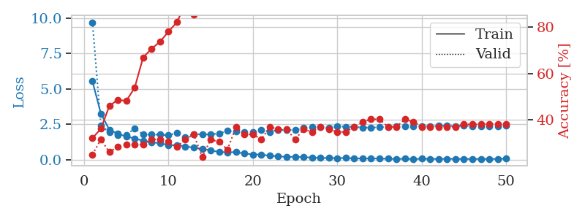
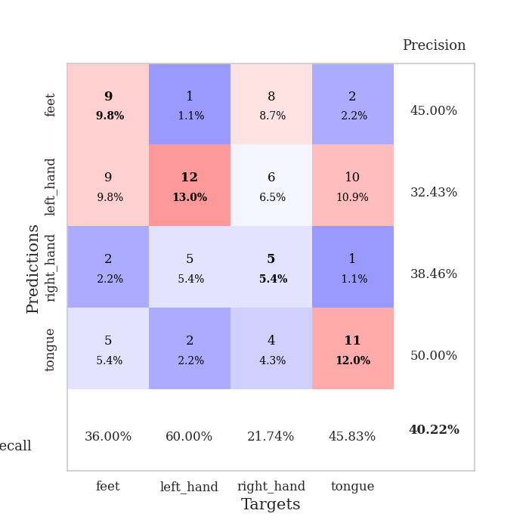
train_loss | valid_loss | train_accuracy | valid_accuracy | dur | train_misclass | valid_misclass
5.5286268566 | 9.6938507246 | 0.32065217391 | 0.25 | 0.11053323746 | 32.065217391 | 25
3.2505311862 | 2.4027295216 | 0.36141304348 | 0.3152173913 | 0.10818743706 | 36.141304348 | 31.52173913
2.113325316 | 1.9345786364 | 0.45923913043 | 0.26086956522 | 0.10426068306 | 45.923913043 | 26.086956522
1.8262397776 | 1.7468203669 | 0.48641304348 | 0.28260869565 | 0.10976290703 | 48.641304348 | 28.260869565
1.630976848 | 1.7265388551 | 0.48097826087 | 0.29347826087 | 0.10532402992 | 48.097826087 | 29.347826087
1.4998068654 | 2.1978615782 | 0.53804347826 | 0.29347826087 | 0.11394381523 | 53.804347826 | 29.347826087
1.3339507969 | 1.7860963345 | 0.66847826087 | 0.29347826087 | 0.1094045639 | 66.847826087 | 29.347826087
1.2225123411 | 1.7665315193 | 0.70652173913 | 0.3152173913 | 0.10479354858 | 70.652173913 | 31.52173913
1.166716288 | 1.7663817613 | 0.73641304348 | 0.3152173913 | 0.10419821739 | 73.641304348 | 31.52173913
1.022469746 | 1.7099851733 | 0.77989130435 | 0.30434782609 | 0.10594534874 | 77.989130435 | 30.434782609
1.0201025294 | 1.8986132767 | 0.82065217391 | 0.28260869565 | 0.1087474823 | 82.065217391 | 28.260869565
0.93014425298 | 1.59427223 | 0.89945652174 | 0.3152173913 | 0.10203289986 | 89.945652174 | 31.52173913
0.84854061966 | 1.811230504 | 0.85326086957 | 0.33695652174 | 0.10937166214 | 85.326086957 | 33.695652174
0.76476992084 | 1.7739114865 | 0.95380434783 | 0.23913043478 | 0.11105370522 | 95.380434783 | 23.913043478
0.65329646805 | 1.7867334511 | 0.97282608696 | 0.3152173913 | 0.10051298141 | 97.282608696 | 31.52173913
0.5411187365 | 1.8492469684 | 0.96739130435 | 0.30434782609 | 0.10435581207 | 96.739130435 | 30.434782609
0.52201669631 | 2.0235513812 | 0.98641304348 | 0.27173913043 | 0.10184144974 | 98.641304348 | 27.173913043
0.53041689875 | 1.9817226296 | 0.99184782609 | 0.36956521739 | 0.11025881767 | 99.184782609 | 36.956521739
0.42983226025 | 1.9248509303 | 0.9972826087 | 0.33695652174 | 0.10630822182 | 99.72826087 | 33.695652174
0.36905075804 | 1.9462552382 | 0.9972826087 | 0.33695652174 | 0.10189080238 | 99.72826087 | 33.695652174
0.3587669322 | 2.080315082 | 1 | 0.3152173913 | 0.10464406013 | 100 | 31.52173913
0.2689834412 | 1.9648452945 | 1 | 0.36956521739 | 0.11026597023 | 100 | 36.956521739
0.23843291693 | 2.0969700295 | 1 | 0.35869565217 | 0.10615873337 | 100 | 35.869565217
0.19182927971 | 2.0842664656 | 1 | 0.35869565217 | 0.105479002 | 100 | 35.869565217
0.20134744793 | 2.0931108724 | 1 | 0.3152173913 | 0.10564160347 | 100 | 31.52173913
0.17717908444 | 2.2503000861 | 1 | 0.35869565217 | 0.10203242302 | 100 | 35.869565217
0.13905393251 | 2.3157271406 | 1 | 0.34782608696 | 0.10294890404 | 100 | 34.782608696
0.11995220921 | 2.3041763202 | 1 | 0.36956521739 | 0.10899186134 | 100 | 36.956521739
0.11183655456 | 2.2581738804 | 1 | 0.35869565217 | 0.1127166748 | 100 | 35.869565217
0.11172699021 | 2.3454390609 | 1 | 0.34782608696 | 0.10474157333 | 100 | 34.782608696
0.11578393258 | 2.3260318196 | 1 | 0.34782608696 | 0.10699987411 | 100 | 34.782608696
0.089937416837 | 2.3163336567 | 1 | 0.36956521739 | 0.10651659966 | 100 | 36.956521739
0.078666505768 | 2.2621447729 | 1 | 0.39130434783 | 0.11204814911 | 100 | 39.130434783
0.091027041978 | 2.2634153884 | 1 | 0.40217391304 | 0.10010051727 | 100 | 40.217391304
0.071102455866 | 2.287722515 | 1 | 0.40217391304 | 0.11024165154 | 100 | 40.217391304
0.066242761343 | 2.3036592629 | 1 | 0.36956521739 | 0.10868549347 | 100 | 36.956521739
0.046595423482 | 2.3340094193 | 1 | 0.36956521739 | 0.10608386993 | 100 | 36.956521739
0.062410703415 | 2.3315286222 | 1 | 0.40217391304 | 0.10742807388 | 100 | 40.217391304
0.040573541115 | 2.3471415872 | 1 | 0.39130434783 | 0.11257553101 | 100 | 39.130434783
0.063714335956 | 2.3636866652 | 1 | 0.36956521739 | 0.1016728878 | 100 | 36.956521739
0.055871751402 | 2.3652420148 | 1 | 0.36956521739 | 0.10925364494 | 100 | 36.956521739
0.049502188866 | 2.3854064112 | 1 | 0.36956521739 | 0.11175441742 | 100 | 36.956521739
0.057367130466 | 2.3934602634 | 1 | 0.36956521739 | 0.11133551598 | 100 | 36.956521739
0.049578226981 | 2.3679225859 | 1 | 0.36956521739 | 0.10180664062 | 100 | 36.956521739
0.049419776618 | 2.3898163153 | 1 | 0.38043478261 | 0.10280323029 | 100 | 38.043478261
0.045459691557 | 2.3687675829 | 1 | 0.38043478261 | 0.10641765594 | 100 | 38.043478261
0.050921896473 | 2.3612096724 | 1 | 0.38043478261 | 0.093844175339 | 100 | 38.043478261
0.047780846731 | 2.3764902716 | 1 | 0.38043478261 | 0.1034719944 | 100 | 38.043478261
0.05239562917 | 2.3766198366 | 1 | 0.38043478261 | 0.10824084282 | 100 | 38.043478261
0.066771941179 | 2.3935262328 | 1 | 0.38043478261 | 0.11282968521 | 100 | 38.043478261

Best Val accuracy is 0.40217391304347827 and Best test accuracy is 0.25

Sheet6
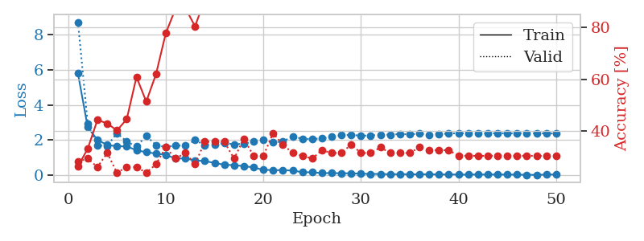
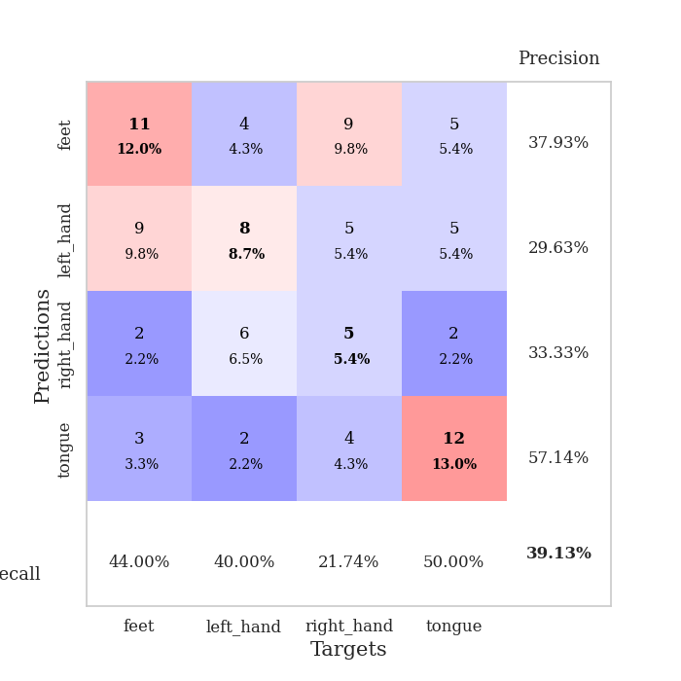
train_loss | valid_loss | train_accuracy | valid_accuracy | dur | train_misclass | valid_misclass
5.7898232937 | 8.7033083543 | 0.26358695652 | 0.28260869565 | 0.098937034607 | 26.358695652 | 28.260869565
2.7412928343 | 2.9456990905 | 0.33152173913 | 0.29347826087 | 0.096349000931 | 33.152173913 | 29.347826087
2.0113057416 | 1.7073625482 | 0.44293478261 | 0.26086956522 | 0.09644818306 | 44.293478261 | 26.086956522
1.7244303071 | 1.6714638523 | 0.42934782609 | 0.3152173913 | 0.095413208008 | 42.934782609 | 31.52173913
1.6524285545 | 2.3991831593 | 0.40217391304 | 0.23913043478 | 0.094938993454 | 40.217391304 | 23.913043478
1.6464583148 | 1.9156720016 | 0.44565217391 | 0.26086956522 | 0.095724344254 | 44.565217391 | 26.086956522
1.4239500139 | 1.6372440794 | 0.60869565217 | 0.26086956522 | 0.094811439514 | 60.869565217 | 26.086956522
1.3140584308 | 2.2384396325 | 0.51358695652 | 0.23913043478 | 0.09601521492 | 51.358695652 | 23.913043478
1.2373879396 | 1.7224543509 | 0.61956521739 | 0.27173913043 | 0.095702171326 | 61.956521739 | 27.173913043
1.1645218445 | 1.601934319 | 0.77717391304 | 0.33695652174 | 0.095100164413 | 77.717391304 | 33.695652174
0.95643565447 | 1.6946139336 | 0.8722826087 | 0.29347826087 | 0.10744047165 | 87.22826087 | 29.347826087
0.96187219542 | 1.6871000995 | 0.875 | 0.3152173913 | 0.11379551888 | 87.5 | 31.52173913
0.8432135271 | 1.9988953653 | 0.80434782609 | 0.27173913043 | 0.10813522339 | 80.434782609 | 27.173913043
0.81425818542 | 1.72212354 | 0.90760869565 | 0.35869565217 | 0.1050632 | 90.760869565 | 35.869565217
0.70168629418 | 1.7549532289 | 0.95380434783 | 0.35869565217 | 0.1116168499 | 95.380434783 | 35.869565217
0.60136749433 | 1.8284537896 | 0.97010869565 | 0.35869565217 | 0.10522937775 | 97.010869565 | 35.869565217
0.57594649688 | 1.7631391546 | 0.97010869565 | 0.29347826087 | 0.10542821884 | 97.010869565 | 29.347826087
0.52504518693 | 1.7963186036 | 0.99456521739 | 0.36956521739 | 0.10222530365 | 99.456521739 | 36.956521739
0.44818339011 | 1.918793046 | 0.9972826087 | 0.30434782609 | 0.11122250557 | 99.72826087 | 30.434782609
0.30988862333 | 2.0043188282 | 1 | 0.30434782609 | 0.10912775993 | 100 | 30.434782609
0.29769984374 | 1.8759474754 | 1 | 0.39130434783 | 0.10483837128 | 100 | 39.130434783
0.29088321199 | 1.9170983874 | 0.9972826087 | 0.34782608696 | 0.11100554466 | 99.72826087 | 34.782608696
0.27613620525 | 2.217435474 | 1 | 0.3152173913 | 0.10211086273 | 100 | 31.52173913
0.17272684594 | 2.0714071419 | 1 | 0.30434782609 | 0.10324597359 | 100 | 30.434782609
0.17285479055 | 2.0710312491 | 1 | 0.29347826087 | 0.10714316368 | 100 | 29.347826087
0.12619566091 | 2.0898237436 | 1 | 0.32608695652 | 0.11217188835 | 100 | 32.608695652
0.12947315642 | 2.2011552375 | 1 | 0.3152173913 | 0.10785913467 | 100 | 31.52173913
0.11518285464 | 2.2760944263 | 1 | 0.3152173913 | 0.10283589363 | 100 | 31.52173913
0.11701503234 | 2.2972607198 | 1 | 0.34782608696 | 0.10508108139 | 100 | 34.782608696
0.093729116751 | 2.2515100396 | 1 | 0.3152173913 | 0.11234498024 | 100 | 31.52173913
0.079405870856 | 2.260593321 | 1 | 0.3152173913 | 0.10408091545 | 100 | 31.52173913
0.077842083881 | 2.3135471344 | 1 | 0.33695652174 | 0.10792136192 | 100 | 33.695652174
0.060558121975 | 2.3104027976 | 1 | 0.3152173913 | 0.10557222366 | 100 | 31.52173913
0.06862126141 | 2.3455310593 | 1 | 0.3152173913 | 0.10831236839 | 100 | 31.52173913
0.059121568971 | 2.3272001121 | 1 | 0.3152173913 | 0.10566592216 | 100 | 31.52173913
0.059106858447 | 2.365470171 | 1 | 0.33695652174 | 0.10070037842 | 100 | 33.695652174
0.063458029586 | 2.299910846 | 1 | 0.32608695652 | 0.1041533947 | 100 | 32.608695652
0.049145178748 | 2.3391362999 | 1 | 0.32608695652 | 0.10554170609 | 100 | 32.608695652
0.054418001445 | 2.3750886295 | 1 | 0.32608695652 | 0.10850429535 | 100 | 32.608695652
0.044002276926 | 2.3909497572 | 1 | 0.30434782609 | 0.11204051971 | 100 | 30.434782609
0.039528316089 | 2.3842613075 | 1 | 0.30434782609 | 0.10693883896 | 100 | 30.434782609
0.051905759732 | 2.3842679729 | 1 | 0.30434782609 | 0.10483574867 | 100 | 30.434782609
0.042420281907 | 2.3763627902 | 1 | 0.30434782609 | 0.10957932472 | 100 | 30.434782609
0.048014698712 | 2.3917485009 | 1 | 0.30434782609 | 0.10415744781 | 100 | 30.434782609
0.043128584552 | 2.3826536407 | 1 | 0.30434782609 | 0.11003470421 | 100 | 30.434782609
0.039447165762 | 2.3838233326 | 1 | 0.30434782609 | 0.10554289818 | 100 | 30.434782609
0.032335614705 | 2.4053233706 | 1 | 0.30434782609 | 0.10734820366 | 100 | 30.434782609
0.023679090623 | 2.3809510832 | 1 | 0.30434782609 | 0.10790967941 | 100 | 30.434782609
0.045600347221 | 2.3871603738 | 1 | 0.30434782609 | 0.10549092293 | 100 | 30.434782609
0.049686131149 | 2.3727212989 | 1 | 0.30434782609 | 0.1016228199 | 100 | 30.434782609

Best Val accuracy is 0.391304347826087 and Best test accuracy is 0.25

Sheet7
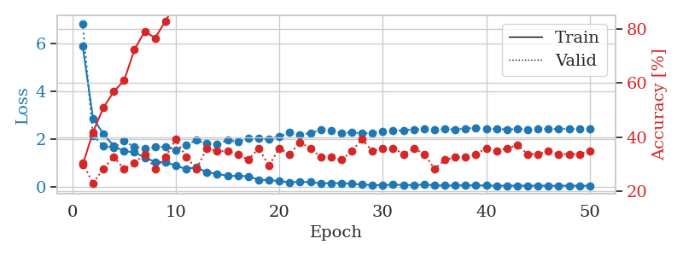
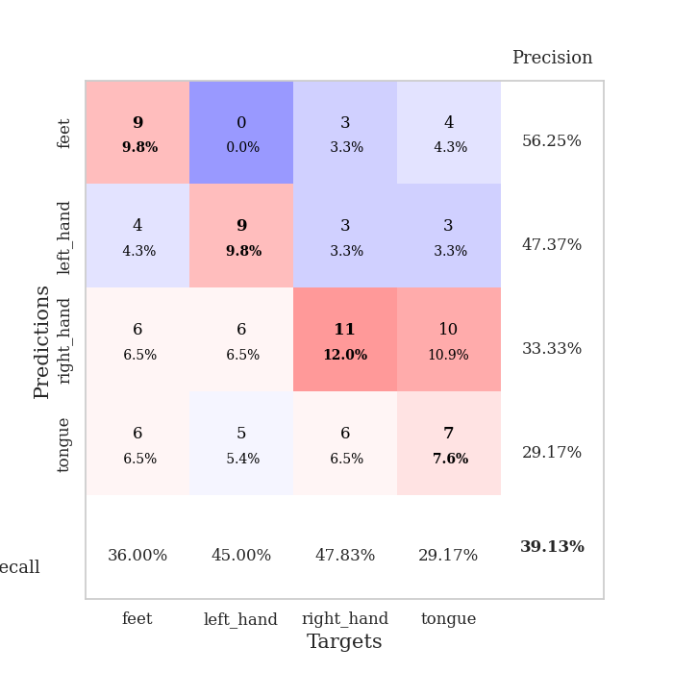
train_loss | valid_loss | train_accuracy | valid_accuracy | dur | train_misclass | valid_misclass
5.910212579 | 6.8538703296 | 0.29619565217 | 0.30434782609 | 0.1095328331 | 29.619565217 | 30.434782609
2.8700233957 | 2.1498862453 | 0.41847826087 | 0.22826086957 | 0.099834918976 | 41.847826087 | 22.826086957
2.2131918358 | 1.7116914158 | 0.50815217391 | 0.28260869565 | 0.10739827156 | 50.815217391 | 28.260869565
1.7065713302 | 1.6393054257 | 0.56793478261 | 0.32608695652 | 0.1060757637 | 56.793478261 | 32.608695652
1.4856699576 | 1.9115311685 | 0.60869565217 | 0.28260869565 | 0.10595417023 | 60.869565217 | 28.260869565
1.4437977827 | 1.6604444773 | 0.72282608696 | 0.30434782609 | 0.106746912 | 72.282608696 | 30.434782609
1.2144773991 | 1.596801281 | 0.79076086957 | 0.33695652174 | 0.10916280746 | 79.076086957 | 33.695652174
1.0418382235 | 1.6573895475 | 0.76630434783 | 0.28260869565 | 0.10693717003 | 76.630434783 | 28.260869565
1.0259571594 | 1.6805658807 | 0.82880434783 | 0.32608695652 | 0.107462883 | 82.880434783 | 32.608695652
0.87420558929 | 1.5320753999 | 0.89402173913 | 0.39130434783 | 0.10506606102 | 89.402173913 | 39.130434783
0.74028317047 | 1.7573540418 | 0.90217391304 | 0.32608695652 | 0.110683918 | 90.217391304 | 32.608695652
0.81223793004 | 1.9426921451 | 0.91576086957 | 0.28260869565 | 0.11037564278 | 91.576086957 | 28.260869565
0.59727815182 | 1.8009698495 | 0.98641304348 | 0.35869565217 | 0.10279417038 | 98.641304348 | 35.869565217
0.5372685667 | 1.7899172773 | 0.98913043478 | 0.34782608696 | 0.10251784325 | 98.913043478 | 34.782608696
0.44711599402 | 1.9528150455 | 0.98641304348 | 0.34782608696 | 0.11242318153 | 98.641304348 | 34.782608696
0.44738431793 | 1.8722540866 | 1 | 0.33695652174 | 0.10244894028 | 100 | 33.695652174
0.43438177653 | 2.0386601013 | 0.99456521739 | 0.3152173913 | 0.11247491837 | 99.456521739 | 31.52173913
0.28443015723 | 2.0237424788 | 1 | 0.35869565217 | 0.10765337944 | 100 | 35.869565217
0.27573404526 | 1.9941551323 | 1 | 0.29347826087 | 0.10722875595 | 100 | 29.347826087
0.22809437695 | 2.1105148378 | 1 | 0.35869565217 | 0.108522892 | 100 | 35.869565217
0.1836831913 | 2.2720035885 | 0.9972826087 | 0.33695652174 | 0.10736775398 | 99.72826087 | 33.695652174
0.1947168886 | 2.1878888503 | 1 | 0.38043478261 | 0.10429096222 | 100 | 38.043478261
0.18865405979 | 2.2486013796 | 1 | 0.35869565217 | 0.11191987991 | 100 | 35.869565217
0.13286892422 | 2.3812421819 | 1 | 0.32608695652 | 0.10525751114 | 100 | 32.608695652
0.14583782698 | 2.3676338299 | 1 | 0.32608695652 | 0.10906362534 | 100 | 32.608695652
0.14387345703 | 2.2429782204 | 1 | 0.3152173913 | 0.10480284691 | 100 | 31.52173913
0.11610776834 | 2.2784382157 | 1 | 0.34782608696 | 0.11313414574 | 100 | 34.782608696
0.081552085102 | 2.2344478421 | 1 | 0.39130434783 | 0.10953593254 | 100 | 39.130434783
0.063791289521 | 2.2523722545 | 1 | 0.34782608696 | 0.10776138306 | 100 | 34.782608696
0.061018643658 | 2.3094812061 | 1 | 0.35869565217 | 0.10922765732 | 100 | 35.869565217
0.079555841082 | 2.3359296944 | 1 | 0.35869565217 | 0.1097266674 | 100 | 35.869565217
0.065804212496 | 2.3693124522 | 1 | 0.33695652174 | 0.11034631729 | 100 | 33.695652174
0.066720501236 | 2.4049632031 | 1 | 0.35869565217 | 0.11019635201 | 100 | 35.869565217
0.07894484391 | 2.4104617057 | 1 | 0.33695652174 | 0.10237002373 | 100 | 33.695652174
0.057472490706 | 2.3943706388 | 1 | 0.28260869565 | 0.10606408119 | 100 | 28.260869565
0.040807597906 | 2.421109355 | 1 | 0.3152173913 | 0.10198450089 | 100 | 31.52173913
0.046947713091 | 2.3949507734 | 1 | 0.32608695652 | 0.095032930374 | 100 | 32.608695652
0.05404056639 | 2.4432370248 | 1 | 0.32608695652 | 0.11325979233 | 100 | 32.608695652
0.049378200961 | 2.4752195814 | 1 | 0.33695652174 | 0.10920715332 | 100 | 33.695652174
0.045792859088 | 2.4110035689 | 1 | 0.35869565217 | 0.10707473755 | 100 | 35.869565217
0.033073805111 | 2.4296919159 | 1 | 0.34782608696 | 0.12753772736 | 100 | 34.782608696
0.038367655695 | 2.3954423303 | 1 | 0.35869565217 | 0.12227630615 | 100 | 35.869565217
0.038018138107 | 2.4189444314 | 1 | 0.36956521739 | 0.10724020004 | 100 | 36.956521739
0.036794751295 | 2.4015720927 | 1 | 0.33695652174 | 0.1073539257 | 100 | 33.695652174
0.039833912403 | 2.428809508 | 1 | 0.33695652174 | 0.11270284653 | 100 | 33.695652174
0.037419112683 | 2.418934169 | 1 | 0.34782608696 | 0.10499644279 | 100 | 34.782608696
0.031943120589 | 2.4160222178 | 1 | 0.33695652174 | 0.1058511734 | 100 | 33.695652174
0.04013225169 | 2.4323697194 | 1 | 0.33695652174 | 0.11215567589 | 100 | 33.695652174
0.032872517694 | 2.4096457647 | 1 | 0.33695652174 | 0.11174750328 | 100 | 33.695652174
0.036976511266 | 2.4127768537 | 1 | 0.34782608696 | 0.11126470566 | 100 | 34.782608696

Best Val accuracy is 0.391304347826087 and Best test accuracy is 0.2413793103448276

Sheet8
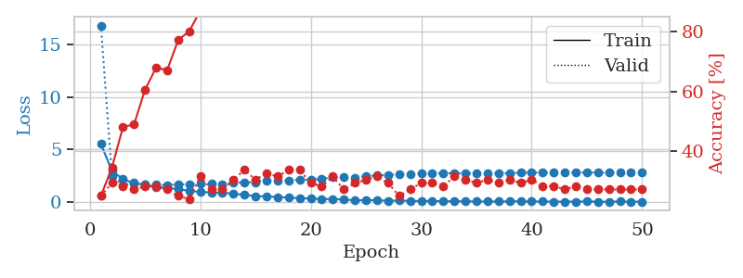
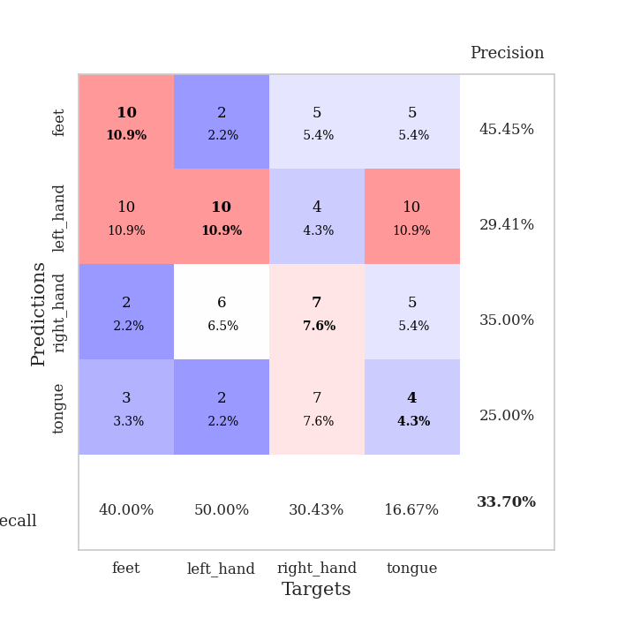
train_loss | valid_loss | train_accuracy | valid_accuracy | dur | train_misclass | valid_misclass
5.5359614725 | 16.784960539 | 0.25 | 0.25 | 0.10346317291 | 25 | 25
2.9724452755 | 2.4864346152 | 0.34510869565 | 0.29347826087 | 0.10930752754 | 34.510869565 | 29.347826087
2.190385492 | 1.6104280482 | 0.48097826087 | 0.28260869565 | 0.1076362133 | 48.097826087 | 28.260869565
1.8017863217 | 1.839253353 | 0.48913043478 | 0.27173913043 | 0.10602331161 | 48.913043478 | 27.173913043
1.6695423385 | 1.6499187221 | 0.60597826087 | 0.28260869565 | 0.10962605476 | 60.597826087 | 28.260869565
1.3933732225 | 1.6471382224 | 0.67934782609 | 0.28260869565 | 0.11095690727 | 67.934782609 | 28.260869565
1.3528475295 | 1.6216690437 | 0.67119565217 | 0.27173913043 | 0.10784173012 | 67.119565217 | 27.173913043
1.2432857156 | 1.6849381768 | 0.77173913043 | 0.25 | 0.10469150543 | 77.173913043 | 25
1.0827283989 | 1.7143679754 | 0.80163043478 | 0.23913043478 | 0.11160516739 | 80.163043478 | 23.913043478
0.96786571326 | 1.7666881136 | 0.86956521739 | 0.3152173913 | 0.11136317253 | 86.956521739 | 31.52173913
0.93478147621 | 1.7508600017 | 0.89130434783 | 0.27173913043 | 0.10737919807 | 89.130434783 | 27.173913043
0.90081835052 | 1.7066772917 | 0.91032608696 | 0.27173913043 | 0.11099338531 | 91.032608696 | 27.173913043
0.80265151547 | 1.8541202027 | 0.90217391304 | 0.30434782609 | 0.10813093185 | 90.217391304 | 30.434782609
0.68933435886 | 1.8778715963 | 0.9375 | 0.33695652174 | 0.10631489754 | 93.75 | 33.695652174
0.58253543921 | 1.8975606068 | 0.96467391304 | 0.30434782609 | 0.10982704163 | 96.467391304 | 30.434782609
0.54792934656 | 2.0813482948 | 0.96739130435 | 0.32608695652 | 0.10887694359 | 96.739130435 | 32.608695652
0.49526428917 | 2.0257776302 | 0.99184782609 | 0.3152173913 | 0.10971260071 | 99.184782609 | 31.52173913
0.43457552402 | 2.0709833581 | 0.98369565217 | 0.33695652174 | 0.11436390877 | 98.369565217 | 33.695652174
0.38850789226 | 2.1284419039 | 0.99456521739 | 0.33695652174 | 0.10501980782 | 99.456521739 | 33.695652174
0.3320669386 | 2.1271754866 | 0.9972826087 | 0.29347826087 | 0.11024522781 | 99.72826087 | 29.347826087
0.29955869945 | 2.2316319424 | 0.9972826087 | 0.28260869565 | 0.1070792675 | 99.72826087 | 28.260869565
0.28617575829 | 2.3499873306 | 1 | 0.3152173913 | 0.11197447777 | 100 | 31.52173913
0.25099401306 | 2.3579920893 | 1 | 0.27173913043 | 0.10876393318 | 100 | 27.173913043
0.17814401764 | 2.3333704161 | 1 | 0.29347826087 | 0.10846686363 | 100 | 29.347826087
0.19219644513 | 2.4722704162 | 1 | 0.30434782609 | 0.10840463638 | 100 | 30.434782609
0.17647034351 | 2.5500459153 | 1 | 0.3152173913 | 0.11197185516 | 100 | 31.52173913
0.14030141756 | 2.578953546 | 1 | 0.29347826087 | 0.11111474037 | 100 | 29.347826087
0.1576006372 | 2.669330317 | 1 | 0.25 | 0.10896801949 | 100 | 25
0.13322670094 | 2.6959953101 | 1 | 0.27173913043 | 0.10828733444 | 100 | 27.173913043
0.11234699927 | 2.7413286437 | 1 | 0.29347826087 | 0.10865998268 | 100 | 29.347826087
0.12107372608 | 2.7369862328 | 1 | 0.29347826087 | 0.11113500595 | 100 | 29.347826087
0.085796011247 | 2.7614737283 | 1 | 0.28260869565 | 0.11304092407 | 100 | 28.260869565
0.092164833989 | 2.7394898456 | 1 | 0.3152173913 | 0.11224675179 | 100 | 31.52173913
0.075956908905 | 2.7459462 | 1 | 0.30434782609 | 0.1078813076 | 100 | 30.434782609
0.077686277745 | 2.774070605 | 1 | 0.29347826087 | 0.10640692711 | 100 | 29.347826087
0.060525342255 | 2.7567163654 | 1 | 0.30434782609 | 0.10572981834 | 100 | 30.434782609
0.063203821364 | 2.7490749152 | 1 | 0.29347826087 | 0.10908317566 | 100 | 29.347826087
0.082076748428 | 2.7658785219 | 1 | 0.30434782609 | 0.10908436775 | 100 | 30.434782609
0.085866733454 | 2.7896285783 | 1 | 0.29347826087 | 0.10641503334 | 100 | 29.347826087
0.064684445524 | 2.8059996004 | 1 | 0.30434782609 | 0.10981655121 | 100 | 30.434782609
0.062573326387 | 2.8189328442 | 1 | 0.28260869565 | 0.11435604095 | 100 | 28.260869565
0.052389979322 | 2.8051317153 | 1 | 0.28260869565 | 0.10596203804 | 100 | 28.260869565
0.051798311346 | 2.8482488031 | 1 | 0.27173913043 | 0.11136674881 | 100 | 27.173913043
0.056530915363 | 2.821220429 | 1 | 0.28260869565 | 0.11173772812 | 100 | 28.260869565
0.064891886857 | 2.8247561144 | 1 | 0.27173913043 | 0.1093378067 | 100 | 27.173913043
0.057470815256 | 2.8127955872 | 1 | 0.27173913043 | 0.1122546196 | 100 | 27.173913043
0.039430968261 | 2.7973922958 | 1 | 0.27173913043 | 0.10899686813 | 100 | 27.173913043
0.066315571899 | 2.8396658586 | 1 | 0.27173913043 | 0.11248826981 | 100 | 27.173913043
0.05046578849 | 2.834591907 | 1 | 0.27173913043 | 0.11071228981 | 100 | 27.173913043
0.054165334319 | 2.8345323438 | 1 | 0.27173913043 | 0.1055521965 | 100 | 27.173913043

Best Val accuracy is 0.33695652173913043 and Best test accuracy is 0.25862068965517243

Sheet9
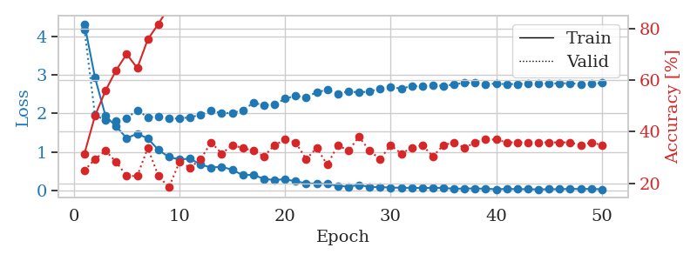
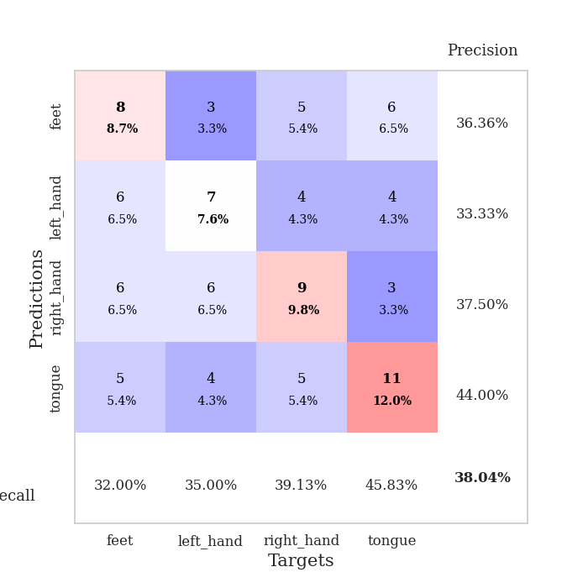
train_loss | valid_loss | train_accuracy | valid_accuracy | dur | train_misclass | valid_misclass
4.3217918044 | 4.1782093048 | 0.3152173913 | 0.25 | 0.10810661316 | 31.52173913 | 25
2.9281330316 | 1.9583794138 | 0.46195652174 | 0.29347826087 | 0.11049938202 | 46.195652174 | 29.347826087
1.9346031702 | 1.8274480986 | 0.5597826087 | 0.32608695652 | 0.10626935959 | 55.97826087 | 32.608695652
1.666671245 | 1.8159309677 | 0.63858695652 | 0.28260869565 | 0.10991811752 | 63.858695652 | 28.260869565
1.3601644272 | 1.8804854103 | 0.70108695652 | 0.22826086957 | 0.10834407806 | 70.108695652 | 22.826086957
1.4773667144 | 2.0900305147 | 0.64673913043 | 0.22826086957 | 0.10908341408 | 64.673913043 | 22.826086957
1.3557396376 | 1.8970651316 | 0.75815217391 | 0.33695652174 | 0.10340118408 | 75.815217391 | 33.695652174
1.0555665363 | 1.9269829418 | 0.81793478261 | 0.22826086957 | 0.11367893219 | 81.793478261 | 22.826086957
0.87439635785 | 1.8733056058 | 0.88315217391 | 0.1847826087 | 0.10772633553 | 88.315217391 | 18.47826087
0.81057501358 | 1.8715015287 | 0.86684782609 | 0.28260869565 | 0.10828065872 | 86.684782609 | 28.260869565
0.83068693721 | 1.9049148767 | 0.94293478261 | 0.26086956522 | 0.109582901 | 94.293478261 | 26.086956522
0.67752362593 | 1.9680226108 | 0.96739130435 | 0.29347826087 | 0.11201524734 | 96.739130435 | 29.347826087
0.60127933259 | 2.0719617191 | 0.97010869565 | 0.35869565217 | 0.11023044586 | 97.010869565 | 35.869565217
0.62153348068 | 2.0090254131 | 0.97282608696 | 0.3152173913 | 0.1053082943 | 97.282608696 | 31.52173913
0.54184160414 | 2.0125906934 | 0.9972826087 | 0.34782608696 | 0.10921573639 | 99.72826087 | 34.782608696
0.40421457427 | 2.0850701125 | 0.99456521739 | 0.33695652174 | 0.11051940918 | 99.456521739 | 33.695652174
0.41225466715 | 2.2750525734 | 0.9972826087 | 0.32608695652 | 0.10944414139 | 99.72826087 | 32.608695652
0.30458381189 | 2.220285483 | 1 | 0.30434782609 | 0.10835146904 | 100 | 30.434782609
0.27777982827 | 2.231525898 | 1 | 0.34782608696 | 0.11605644226 | 100 | 34.782608696
0.29748131367 | 2.3838489056 | 1 | 0.36956521739 | 0.10844659805 | 100 | 36.956521739
0.24204255317 | 2.460061177 | 0.9972826087 | 0.35869565217 | 0.10693120956 | 99.72826087 | 35.869565217
0.19411112822 | 2.4172428795 | 1 | 0.29347826087 | 0.10790205002 | 100 | 29.347826087
0.18191891585 | 2.558960132 | 1 | 0.33695652174 | 0.10963559151 | 100 | 33.695652174
0.17426882425 | 2.6095043162 | 1 | 0.27173913043 | 0.11163234711 | 100 | 27.173913043
0.12734358142 | 2.5111188681 | 1 | 0.34782608696 | 0.10879564285 | 100 | 34.782608696
0.10408002446 | 2.5710371163 | 1 | 0.32608695652 | 0.11371779442 | 100 | 32.608695652
0.15032345607 | 2.5493922545 | 1 | 0.38043478261 | 0.10816526413 | 100 | 38.043478261
0.096439745439 | 2.5687886632 | 1 | 0.32608695652 | 0.11098122597 | 100 | 32.608695652
0.092831453713 | 2.6511920535 | 1 | 0.29347826087 | 0.10717916489 | 100 | 29.347826087
0.08245699715 | 2.6828955567 | 1 | 0.34782608696 | 0.10536313057 | 100 | 34.782608696
0.076608089487 | 2.6471052481 | 1 | 0.3152173913 | 0.10700726509 | 100 | 31.52173913
0.074084121491 | 2.7114965812 | 1 | 0.33695652174 | 0.10606074333 | 100 | 33.695652174
0.070745226725 | 2.7053311908 | 1 | 0.34782608696 | 0.10700321198 | 100 | 34.782608696
0.074020117562 | 2.732950138 | 1 | 0.30434782609 | 0.10870337486 | 100 | 30.434782609
0.073167400111 | 2.7186765049 | 1 | 0.34782608696 | 0.10812592506 | 100 | 34.782608696
0.049916416204 | 2.7513646043 | 1 | 0.35869565217 | 0.10702943802 | 100 | 35.869565217
0.058481789842 | 2.7985229907 | 1 | 0.33695652174 | 0.10846686363 | 100 | 33.695652174
0.056945894197 | 2.7937179545 | 1 | 0.35869565217 | 0.10948753357 | 100 | 35.869565217
0.052260121594 | 2.7613274947 | 1 | 0.36956521739 | 0.11272120476 | 100 | 36.956521739
0.037975273783 | 2.7732511707 | 1 | 0.36956521739 | 0.11492562294 | 100 | 36.956521739
0.04862413851 | 2.7612122142 | 1 | 0.35869565217 | 0.11255097389 | 100 | 35.869565217
0.040597724749 | 2.7649589829 | 1 | 0.35869565217 | 0.10542106628 | 100 | 35.869565217
0.04245763924 | 2.7714717803 | 1 | 0.35869565217 | 0.10512113571 | 100 | 35.869565217
0.033171132004 | 2.7830382119 | 1 | 0.35869565217 | 0.11336827278 | 100 | 35.869565217
0.040531228054 | 2.7788061163 | 1 | 0.35869565217 | 0.10986113548 | 100 | 35.869565217
0.04015587987 | 2.7823723192 | 1 | 0.35869565217 | 0.11218643188 | 100 | 35.869565217
0.048583574472 | 2.786512406 | 1 | 0.35869565217 | 0.10736322403 | 100 | 35.869565217
0.043964402345 | 2.7615793166 | 1 | 0.34782608696 | 0.1066069603 | 100 | 34.782608696
0.04917085272 | 2.7729212719 | 1 | 0.35869565217 | 0.10725712776 | 100 | 35.869565217
0.036803415288 | 2.7909259485 | 1 | 0.34782608696 | 0.10857248306 | 100 | 34.782608696

Best Val accuracy is 0.3804347826086957 and Best test accuracy is 0.25862068965517243

Sheet10
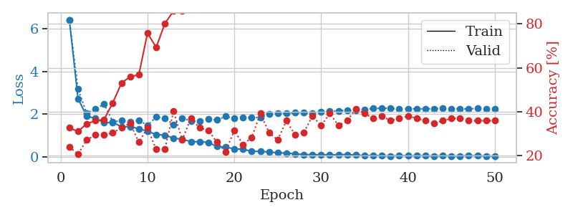
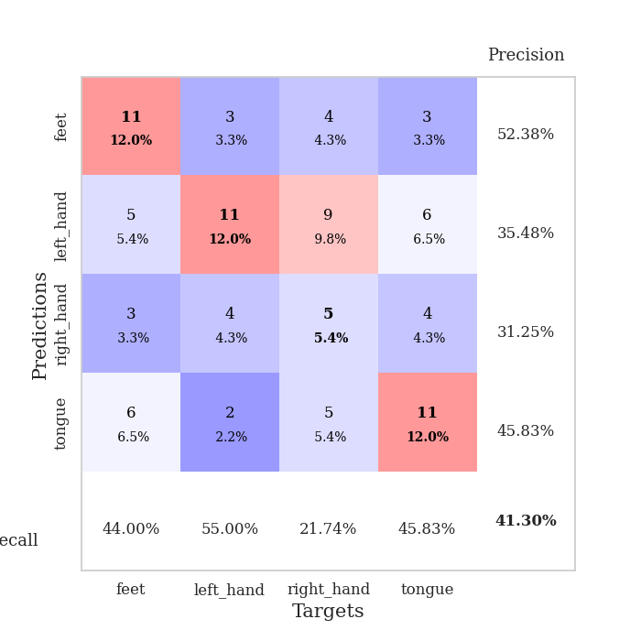
train_loss | valid_loss | train_accuracy | valid_accuracy | dur | train_misclass | valid_misclass
6.405094862 | 6.4180487135 | 0.32608695652 | 0.23913043478 | 0.10328626633 | 32.608695652 | 23.913043478
2.72704225 | 3.1684846256 | 0.3097826087 | 0.20652173913 | 0.10584712029 | 30.97826087 | 20.652173913
1.9055639402 | 2.0376230219 | 0.34510869565 | 0.27173913043 | 0.10878181458 | 34.510869565 | 27.173913043
1.8081216087 | 2.2407400608 | 0.35869565217 | 0.29347826087 | 0.11038255692 | 35.869565217 | 29.347826087
1.5927439099 | 2.4685358587 | 0.36413043478 | 0.29347826087 | 0.10471463203 | 36.413043478 | 29.347826087
1.6205673114 | 1.6463041409 | 0.4402173913 | 0.30434782609 | 0.10639595985 | 44.02173913 | 30.434782609
1.4060645881 | 1.6991790067 | 0.52989130435 | 0.32608695652 | 0.1094429493 | 52.989130435 | 32.608695652
1.4135718475 | 1.6324344407 | 0.5597826087 | 0.34782608696 | 0.10766935349 | 55.97826087 | 34.782608696
1.3204423707 | 1.7085688114 | 0.56793478261 | 0.26086956522 | 0.11009478569 | 56.793478261 | 26.086956522
1.2052213109 | 1.477802344 | 0.75815217391 | 0.32608695652 | 0.10589551926 | 75.815217391 | 32.608695652
1.0416194952 | 1.8634914523 | 0.69293478261 | 0.22826086957 | 0.11119866371 | 69.293478261 | 22.826086957
1.0200455707 | 1.8090623254 | 0.80163043478 | 0.22826086957 | 0.10834717751 | 80.163043478 | 22.826086957
0.88015980306 | 1.5230653338 | 0.85869565217 | 0.40217391304 | 0.11041045189 | 85.869565217 | 40.217391304
0.82437365081 | 1.8095082511 | 0.86141304348 | 0.27173913043 | 0.10667324066 | 86.141304348 | 27.173913043
0.71634723181 | 1.6895539035 | 0.9375 | 0.36956521739 | 0.11101508141 | 93.75 | 36.956521739
0.71027046183 | 1.6683246467 | 0.96195652174 | 0.32608695652 | 0.11101174355 | 96.195652174 | 32.608695652
0.67769641721 | 1.7653829948 | 0.96467391304 | 0.3152173913 | 0.10825395584 | 96.467391304 | 31.52173913
0.48520367949 | 1.728170058 | 0.98097826087 | 0.26086956522 | 0.10882925987 | 98.097826087 | 26.086956522
0.46160218508 | 1.8948895413 | 0.98913043478 | 0.21739130435 | 0.10771727562 | 98.913043478 | 21.739130435
0.37244893092 | 1.8008402171 | 1 | 0.3152173913 | 0.10870051384 | 100 | 31.52173913
0.36155072049 | 1.8432127393 | 1 | 0.25 | 0.10699367523 | 100 | 25
0.25980888534 | 1.856530345 | 1 | 0.28260869565 | 0.10730528831 | 100 | 28.260869565
0.26043274448 | 1.836878958 | 1 | 0.39130434783 | 0.10961031914 | 100 | 39.130434783
0.23391470864 | 2.0225030236 | 1 | 0.30434782609 | 0.10192322731 | 100 | 30.434782609
0.18545132649 | 2.0298968087 | 1 | 0.27173913043 | 0.10517191887 | 100 | 27.173913043
0.18057543768 | 2.029641877 | 1 | 0.35869565217 | 0.10813450813 | 100 | 35.869565217
0.14207730345 | 2.0794833328 | 1 | 0.29347826087 | 0.10258698463 | 100 | 29.347826087
0.1122068076 | 2.0735887134 | 1 | 0.30434782609 | 0.10981106758 | 100 | 30.434782609
0.10423022573 | 2.0369802454 | 1 | 0.38043478261 | 0.11081838608 | 100 | 38.043478261
0.10015046252 | 2.1074963756 | 1 | 0.33695652174 | 0.10897374153 | 100 | 33.695652174
0.093959889658 | 2.1325547281 | 1 | 0.39130434783 | 0.10778260231 | 100 | 39.130434783
0.099683863313 | 2.1589112074 | 1 | 0.33695652174 | 0.10540437698 | 100 | 33.695652174
0.11172285838 | 2.1880020473 | 1 | 0.35869565217 | 0.1063387394 | 100 | 35.869565217
0.083622033667 | 2.1751446931 | 1 | 0.41304347826 | 0.10499334335 | 100 | 41.304347826
0.062500782554 | 2.2257620874 | 1 | 0.39130434783 | 0.10812997818 | 100 | 39.130434783
0.07116104217 | 2.2670024893 | 1 | 0.36956521739 | 0.10769581795 | 100 | 36.956521739
0.053737151072 | 2.2774260977 | 1 | 0.38043478261 | 0.10873866081 | 100 | 38.043478261
0.044454562113 | 2.2681274932 | 1 | 0.35869565217 | 0.11388206482 | 100 | 35.869565217
0.062409738686 | 2.2504457702 | 1 | 0.36956521739 | 0.10190963745 | 100 | 36.956521739
0.04941029956 | 2.2529536848 | 1 | 0.38043478261 | 0.10826635361 | 100 | 38.043478261
0.053062207066 | 2.2564098213 | 1 | 0.36956521739 | 0.10576462746 | 100 | 36.956521739
0.052371222971 | 2.2441493532 | 1 | 0.35869565217 | 0.10798287392 | 100 | 35.869565217
0.039885362489 | 2.260705357 | 1 | 0.34782608696 | 0.10766792297 | 100 | 34.782608696
0.058647685927 | 2.2675722889 | 1 | 0.35869565217 | 0.11130952835 | 100 | 35.869565217
0.045814543659 | 2.2431646119 | 1 | 0.36956521739 | 0.10262441635 | 100 | 36.956521739
0.044370612454 | 2.2557778669 | 1 | 0.36956521739 | 0.11466836929 | 100 | 36.956521739
0.058684230539 | 2.244745949 | 1 | 0.35869565217 | 0.10743403435 | 100 | 35.869565217
0.049234430225 | 2.2708402406 | 1 | 0.35869565217 | 0.1110932827 | 100 | 35.869565217
0.046415421504 | 2.2551962915 | 1 | 0.35869565217 | 0.11123609543 | 100 | 35.869565217
0.042648029149 | 2.2601231596 | 1 | 0.35869565217 | 0.10889816284 | 100 | 35.869565217

Best Val accuracy is 0.41304347826086957 and Best test accuracy is 0.25862068965517243

