Sheet
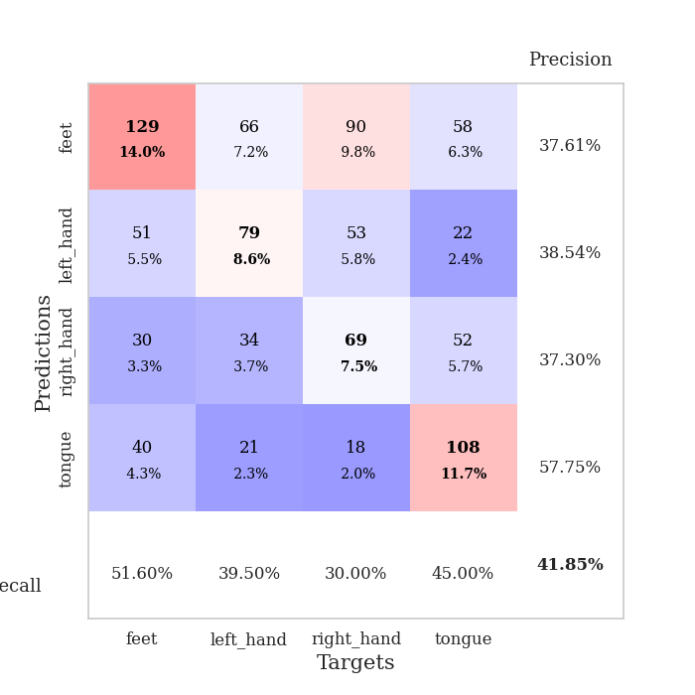
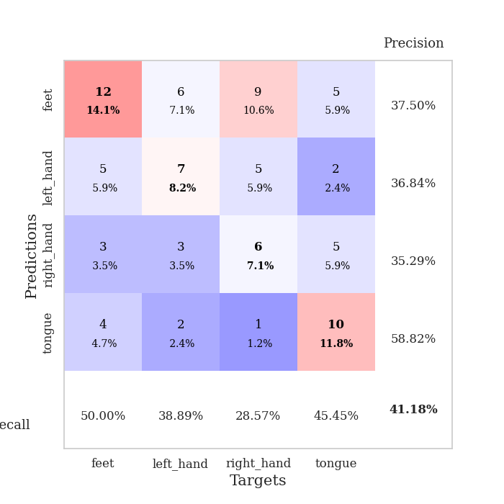
best_val_acc | best_val_los | best_test_acc
0.41304347826 | 1.4631686988 | 0.44827586207
0.45652173913 | 1.4097773044 | 0.51724137931
0.4347826087 | 1.3986499983 | 0.40517241379
0.41304347826 | 1.4844060411 | 0.37931034483
0.41304347826 | 1.5582039408 | 0.34482758621
0.38043478261 | 1.4993985425 | 0.39655172414
0.40217391304 | 1.5005452322 | 0.43103448276
0.40217391304 | 1.4740285718 | 0.31896551724
0.45652173913 | 1.5033680201 | 0.47413793103
0.41304347826 | 1.4339386691 | 0.37931034483

Mean,std Val accuracy is 0.41847826086956513 , 0.024169681275591166 and mean, std test accuracy is 0.4094827586206896 , 0.05976044351461328

Sheet1
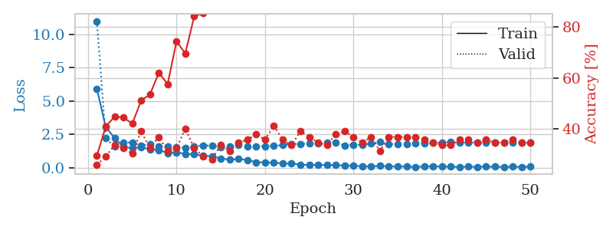
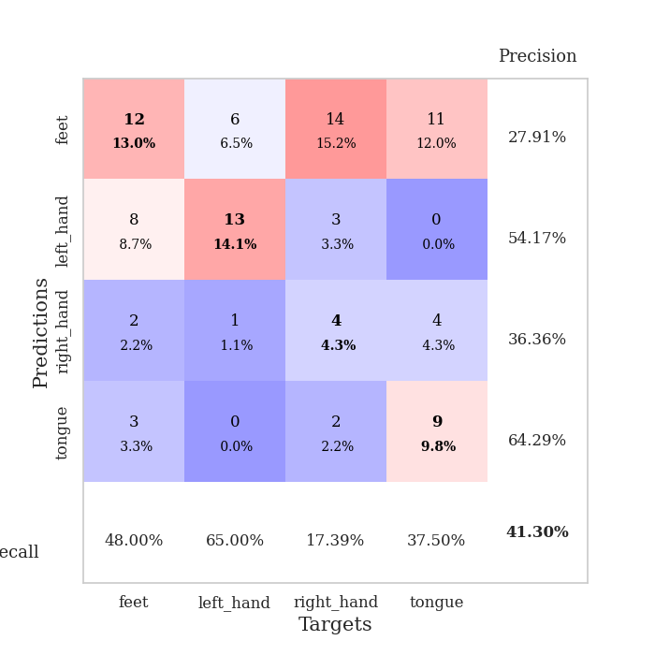
train_loss | valid_loss | train_accuracy | valid_accuracy | dur | train_misclass | valid_misclass
5.9259051758 | 10.979356517 | 0.29619565217 | 0.26086956522 | 0.11279416084 | 29.619565217 | 26.086956522
3.0346170923 | 2.2036256738 | 0.41032608696 | 0.29347826087 | 0.10954594612 | 41.032608696 | 29.347826087
2.2311230328 | 1.5700198775 | 0.44836956522 | 0.33695652174 | 0.10365581512 | 44.836956522 | 33.695652174
1.5638303394 | 1.8749746913 | 0.44565217391 | 0.32608695652 | 0.10953831673 | 44.565217391 | 32.608695652
1.4613700328 | 1.8913336007 | 0.42119565217 | 0.30434782609 | 0.10620522499 | 42.119565217 | 30.434782609
1.5244947724 | 1.6527678137 | 0.51086956522 | 0.39130434783 | 0.11250734329 | 51.086956522 | 39.130434783
1.386470279 | 1.7639721839 | 0.53532608696 | 0.32608695652 | 0.10547065735 | 53.532608696 | 32.608695652
1.3287916987 | 1.5761481524 | 0.61956521739 | 0.36956521739 | 0.11014413834 | 61.956521739 | 36.956521739
1.0894980146 | 1.6068360546 | 0.57608695652 | 0.3152173913 | 0.1125459671 | 57.608695652 | 31.52173913
1.1382801844 | 1.560858711 | 0.74184782609 | 0.32608695652 | 0.10613894463 | 74.184782609 | 32.608695652
1.0328548525 | 1.4631686988 | 0.69565217391 | 0.40217391304 | 0.10066986084 | 69.565217391 | 40.217391304
0.99538691925 | 1.5789837163 | 0.83967391304 | 0.32608695652 | 0.11536359787 | 83.967391304 | 32.608695652
0.90059203816 | 1.6703766066 | 0.85326086957 | 0.29347826087 | 0.10649847984 | 85.326086957 | 29.347826087
0.84767149972 | 1.6439078165 | 0.88858695652 | 0.28260869565 | 0.10453057289 | 88.858695652 | 28.260869565
0.69062684412 | 1.5374724398 | 0.94293478261 | 0.33695652174 | 0.11031413078 | 94.293478261 | 33.695652174
0.61106813213 | 1.5620165338 | 0.93206521739 | 0.3152173913 | 0.1143989563 | 93.206521739 | 31.52173913
0.64569423769 | 1.7221979836 | 0.95108695652 | 0.34782608696 | 0.1092543602 | 95.108695652 | 34.782608696
0.58109817945 | 1.5728277745 | 0.96195652174 | 0.35869565217 | 0.10941314697 | 96.195652174 | 35.869565217
0.41084573515 | 1.586757012 | 0.98641304348 | 0.38043478261 | 0.11167144775 | 98.641304348 | 38.043478261
0.39174488964 | 1.614279151 | 0.98641304348 | 0.35869565217 | 0.10559248924 | 98.641304348 | 35.869565217
0.37183968658 | 1.6194156201 | 0.99456521739 | 0.41304347826 | 0.11040043831 | 99.456521739 | 41.304347826
0.30780958109 | 1.6994868569 | 1 | 0.35869565217 | 0.1085600853 | 100 | 35.869565217
0.31281913882 | 1.7879689206 | 0.99456521739 | 0.33695652174 | 0.1104221344 | 99.456521739 | 33.695652174
0.23112715198 | 1.7795856725 | 1 | 0.39130434783 | 0.10554480553 | 100 | 39.130434783
0.20134275131 | 1.7956918685 | 0.99456521739 | 0.36956521739 | 0.10620331764 | 99.456521739 | 36.956521739
0.20412552454 | 1.825463974 | 1 | 0.34782608696 | 0.10571503639 | 100 | 34.782608696
0.19267578844 | 1.8689981803 | 1 | 0.33695652174 | 0.10957813263 | 100 | 33.695652174
0.18707822279 | 1.8780959534 | 1 | 0.38043478261 | 0.11307168007 | 100 | 38.043478261
0.15897856361 | 1.6730474026 | 1 | 0.39130434783 | 0.11015057564 | 100 | 39.130434783
0.14576365459 | 1.7158314663 | 1 | 0.36956521739 | 0.11058402061 | 100 | 36.956521739
0.10925258793 | 1.7187860116 | 1 | 0.34782608696 | 0.10164618492 | 100 | 34.782608696
0.09140038053 | 1.7955647914 | 1 | 0.36956521739 | 0.10292601585 | 100 | 36.956521739
0.1425525593 | 1.9187158916 | 1 | 0.3152173913 | 0.11121797562 | 100 | 31.52173913
0.091241352706 | 1.7849045888 | 1 | 0.36956521739 | 0.11092114449 | 100 | 36.956521739
0.094235106736 | 1.7549424534 | 1 | 0.36956521739 | 0.10494065285 | 100 | 36.956521739
0.081882001873 | 1.7832576347 | 1 | 0.36956521739 | 0.10374379158 | 100 | 36.956521739
0.055194476214 | 1.7940160243 | 1 | 0.36956521739 | 0.10993146896 | 100 | 36.956521739
0.089128454013 | 1.8305892478 | 1 | 0.35869565217 | 0.11349201202 | 100 | 35.869565217
0.10219927403 | 1.8786283109 | 1 | 0.34782608696 | 0.10810184479 | 100 | 34.782608696
0.079829794881 | 1.8752181167 | 1 | 0.33695652174 | 0.10548424721 | 100 | 33.695652174
0.074703243764 | 1.9088349809 | 1 | 0.33695652174 | 0.11293697357 | 100 | 33.695652174
0.055893264265 | 1.887156756 | 1 | 0.35869565217 | 0.10948991776 | 100 | 35.869565217
0.069877137309 | 1.8852299348 | 1 | 0.35869565217 | 0.11157751083 | 100 | 35.869565217
0.061635693576 | 1.884758742 | 1 | 0.34782608696 | 0.10876941681 | 100 | 34.782608696
0.07891482787 | 1.8746087292 | 1 | 0.35869565217 | 0.10943293571 | 100 | 35.869565217
0.069460245578 | 1.8710687109 | 1 | 0.34782608696 | 0.10815167427 | 100 | 34.782608696
0.054195586835 | 1.8730429307 | 1 | 0.34782608696 | 0.11932754517 | 100 | 34.782608696
0.070203676941 | 1.8703564509 | 1 | 0.35869565217 | 0.10440325737 | 100 | 35.869565217
0.060127854388 | 1.8863549388 | 1 | 0.34782608696 | 0.10732698441 | 100 | 34.782608696
0.076675858632 | 1.8669163455 | 1 | 0.34782608696 | 0.10827112198 | 100 | 34.782608696

Best Val accuracy is 0.41304347826086957 and Best test accuracy is 0.4482758620689655

Sheet2
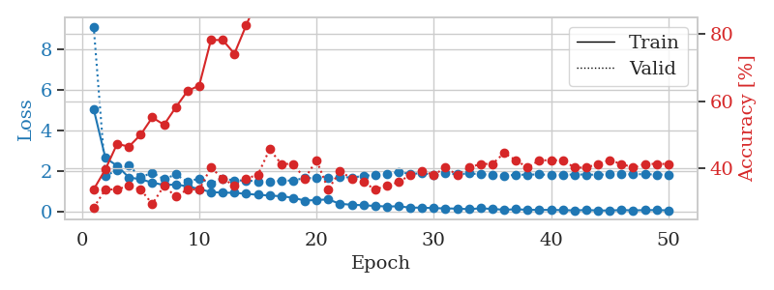
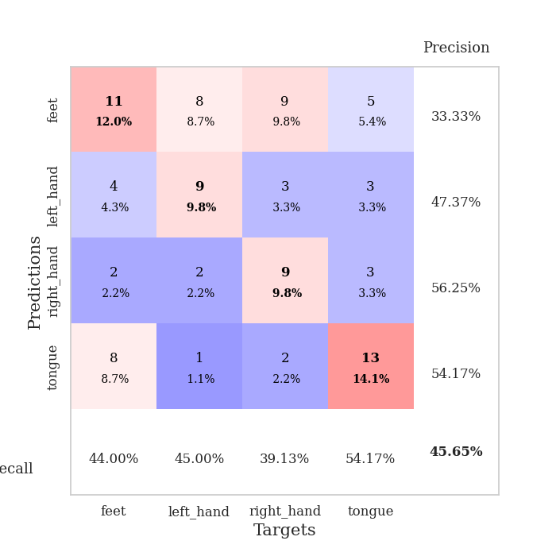
train_loss | valid_loss | train_accuracy | valid_accuracy | dur | train_misclass | valid_misclass
5.062463268 | 9.1298552389 | 0.33695652174 | 0.28260869565 | 0.10748386383 | 33.695652174 | 28.260869565
2.6624962454 | 1.7781706426 | 0.39673913043 | 0.33695652174 | 0.11085224152 | 39.673913043 | 33.695652174
2.2721759547 | 2.053994723 | 0.47282608696 | 0.33695652174 | 0.10493803024 | 47.282608696 | 33.695652174
1.6977315882 | 2.2927750816 | 0.46467391304 | 0.34782608696 | 0.10645747185 | 46.467391304 | 34.782608696
1.609452499 | 1.7096346306 | 0.5 | 0.33695652174 | 0.11063981056 | 50 | 33.695652174
1.4457460538 | 1.9263779858 | 0.55163043478 | 0.29347826087 | 0.10773158073 | 55.163043478 | 29.347826087
1.3235491411 | 1.6115598834 | 0.52989130435 | 0.34782608696 | 0.10438203812 | 52.989130435 | 34.782608696
1.3518199843 | 1.8458330113 | 0.58152173913 | 0.3152173913 | 0.1087448597 | 58.152173913 | 31.52173913
1.2630307493 | 1.4869812001 | 0.63043478261 | 0.33695652174 | 0.10533881187 | 63.043478261 | 33.695652174
1.1272144214 | 1.645757841 | 0.64673913043 | 0.33695652174 | 0.10812854767 | 64.673913043 | 33.695652174
0.97845959145 | 1.4097773044 | 0.78260869565 | 0.40217391304 | 0.10228586197 | 78.260869565 | 40.217391304
0.95024698973 | 1.6302104152 | 0.78260869565 | 0.36956521739 | 0.10435247421 | 78.260869565 | 36.956521739
0.94154842781 | 1.555875234 | 0.74184782609 | 0.34782608696 | 0.11257886887 | 74.184782609 | 34.782608696
0.89194530249 | 1.5463686456 | 0.82608695652 | 0.36956521739 | 0.10484790802 | 82.608695652 | 36.956521739
0.84410705774 | 1.5078093021 | 0.90760869565 | 0.38043478261 | 0.10569739342 | 90.760869565 | 38.043478261
0.80916840356 | 1.481419045 | 0.92934782609 | 0.45652173913 | 0.11151623726 | 92.934782609 | 45.652173913
0.77126979828 | 1.5339816809 | 0.96739130435 | 0.41304347826 | 0.10836315155 | 96.739130435 | 41.304347826
0.6999274881 | 1.5498773015 | 0.95652173913 | 0.41304347826 | 0.10872554779 | 95.652173913 | 41.304347826
0.55591962389 | 1.6715308428 | 0.97826086957 | 0.36956521739 | 0.10786581039 | 97.826086957 | 36.956521739
0.58920888149 | 1.6649610167 | 0.96467391304 | 0.42391304348 | 0.11010432243 | 96.467391304 | 42.391304348
0.61415615354 | 1.6819263749 | 0.98641304348 | 0.33695652174 | 0.11154985428 | 98.641304348 | 33.695652174
0.39961185339 | 1.7186540262 | 1 | 0.39130434783 | 0.11342215538 | 100 | 39.130434783
0.35293819464 | 1.6958818643 | 1 | 0.36956521739 | 0.10920095444 | 100 | 36.956521739
0.32867803425 | 1.7691419591 | 0.99456521739 | 0.35869565217 | 0.10719513893 | 99.456521739 | 35.869565217
0.29346265903 | 1.8344360797 | 0.9972826087 | 0.33695652174 | 0.10684585571 | 99.72826087 | 33.695652174
0.26717578976 | 1.8831164941 | 1 | 0.34782608696 | 0.1052339077 | 100 | 34.782608696
0.27748196216 | 1.9614606422 | 1 | 0.35869565217 | 0.10846090317 | 100 | 35.869565217
0.20965211984 | 1.874571878 | 0.9972826087 | 0.38043478261 | 0.10795235634 | 99.72826087 | 38.043478261
0.21138840298 | 1.9045803599 | 1 | 0.39130434783 | 0.11378479004 | 100 | 39.130434783
0.18532490115 | 1.8242879329 | 1 | 0.38043478261 | 0.11057376862 | 100 | 38.043478261
0.17376713439 | 1.9140737109 | 1 | 0.40217391304 | 0.11688327789 | 100 | 40.217391304
0.16129868146 | 1.8478776268 | 1 | 0.38043478261 | 0.11326575279 | 100 | 38.043478261
0.13672814129 | 1.8988528407 | 1 | 0.40217391304 | 0.11364102364 | 100 | 40.217391304
0.17726646007 | 1.8523265849 | 1 | 0.41304347826 | 0.10766196251 | 100 | 41.304347826
0.14668671187 | 1.8358793155 | 1 | 0.41304347826 | 0.10460305214 | 100 | 41.304347826
0.10712648596 | 1.7852853692 | 1 | 0.44565217391 | 0.10506868362 | 100 | 44.565217391
0.13010964911 | 1.8256303694 | 1 | 0.42391304348 | 0.11032938957 | 100 | 42.391304348
0.10564736342 | 1.838200507 | 1 | 0.40217391304 | 0.11100959778 | 100 | 40.217391304
0.098010488016 | 1.8442163882 | 1 | 0.42391304348 | 0.10489654541 | 100 | 42.391304348
0.10129944972 | 1.8269891117 | 1 | 0.42391304348 | 0.1082701683 | 100 | 42.391304348
0.086381980825 | 1.8308129311 | 1 | 0.42391304348 | 0.1087436676 | 100 | 42.391304348
0.077387212411 | 1.8439942443 | 1 | 0.40217391304 | 0.11005544662 | 100 | 40.217391304
0.092677858456 | 1.84356351 | 1 | 0.40217391304 | 0.1085100174 | 100 | 40.217391304
0.07319403213 | 1.8241011993 | 1 | 0.41304347826 | 0.1096124649 | 100 | 41.304347826
0.070647004425 | 1.8571735413 | 1 | 0.42391304348 | 0.10798811913 | 100 | 42.391304348
0.093481625309 | 1.8506826888 | 1 | 0.41304347826 | 0.10942435265 | 100 | 41.304347826
0.075799449995 | 1.8529171322 | 1 | 0.40217391304 | 0.10694098473 | 100 | 40.217391304
0.089905082046 | 1.8619737573 | 1 | 0.41304347826 | 0.11109423637 | 100 | 41.304347826
0.089957914437 | 1.8374422737 | 1 | 0.41304347826 | 0.11546754837 | 100 | 41.304347826
0.078133075539 | 1.842331622 | 1 | 0.41304347826 | 0.10542654991 | 100 | 41.304347826

Best Val accuracy is 0.45652173913043476 and Best test accuracy is 0.5172413793103449

Sheet3
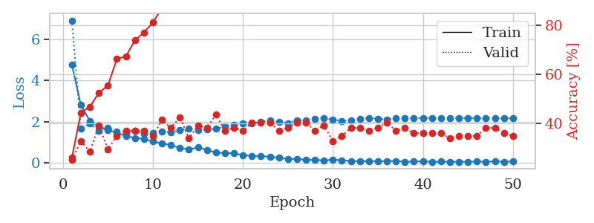
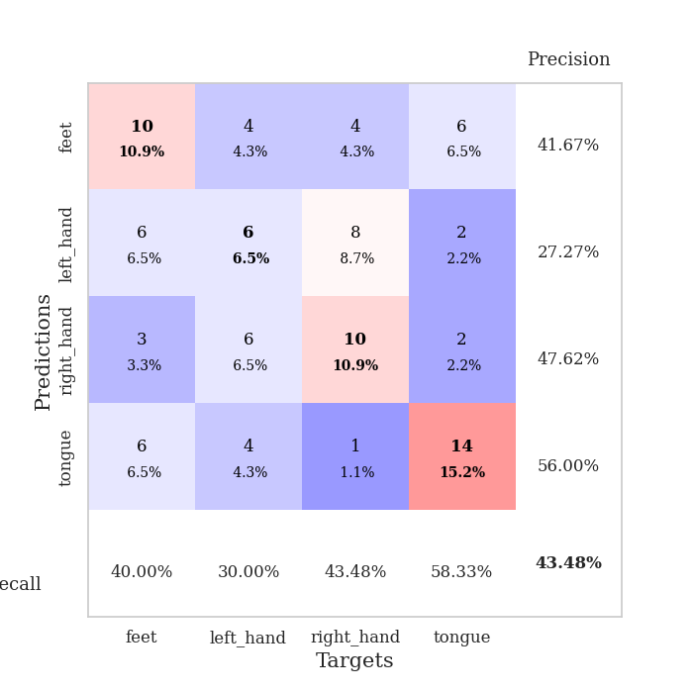
train_loss | valid_loss | train_accuracy | valid_accuracy | dur | train_misclass | valid_misclass
4.7820734252 | 6.9284921522 | 0.25815217391 | 0.25 | 0.10358691216 | 25.815217391 | 25
2.8060172744 | 1.6566572811 | 0.44293478261 | 0.32608695652 | 0.10942220688 | 44.293478261 | 32.608695652
2.0365922658 | 1.9120542692 | 0.46739130435 | 0.28260869565 | 0.11217880249 | 46.739130435 | 28.260869565
1.7774432794 | 1.5518959087 | 0.52445652174 | 0.39130434783 | 0.11047196388 | 52.445652174 | 39.130434783
1.5956483509 | 1.7116585192 | 0.55434782609 | 0.29347826087 | 0.10984277725 | 55.434782609 | 29.347826087
1.4657140841 | 1.5394085749 | 0.66304347826 | 0.34782608696 | 0.10782289505 | 66.304347826 | 34.782608696
1.2982998387 | 1.4665512158 | 0.67391304348 | 0.36956521739 | 0.10393548012 | 67.391304348 | 36.956521739
1.2099335712 | 1.5395043777 | 0.73913043478 | 0.36956521739 | 0.11391830444 | 73.913043478 | 36.956521739
1.1706518375 | 1.3986499983 | 0.77173913043 | 0.36956521739 | 0.11216664314 | 77.173913043 | 36.956521739
1.0348417655 | 1.4633922525 | 0.8125 | 0.34782608696 | 0.11213922501 | 81.25 | 34.782608696
0.94329495534 | 1.5229682456 | 0.8722826087 | 0.41304347826 | 0.10953164101 | 87.22826087 | 41.304347826
0.87132570795 | 1.4881867222 | 0.90760869565 | 0.38043478261 | 0.10826516151 | 90.760869565 | 38.043478261
0.71893495451 | 1.5817510771 | 0.91304347826 | 0.42391304348 | 0.10599350929 | 91.304347826 | 42.391304348
0.65166622789 | 1.6734824803 | 0.9402173913 | 0.33695652174 | 0.10959887505 | 94.02173913 | 33.695652174
0.74416538555 | 1.5982323678 | 0.97554347826 | 0.39130434783 | 0.1153113842 | 97.554347826 | 39.130434783
0.62960029037 | 1.6271432224 | 0.97010869565 | 0.38043478261 | 0.11059689522 | 97.010869565 | 38.043478261
0.49295389523 | 1.651920982 | 0.98913043478 | 0.4347826087 | 0.1084291935 | 98.913043478 | 43.47826087
0.48377127881 | 1.7616315354 | 0.99456521739 | 0.36956521739 | 0.1078877449 | 99.456521739 | 36.956521739
0.45692409834 | 1.8335899426 | 0.98641304348 | 0.38043478261 | 0.11266422272 | 98.641304348 | 38.043478261
0.37743620315 | 1.9142863336 | 0.98641304348 | 0.36956521739 | 0.10405349731 | 98.641304348 | 36.956521739
0.34027646482 | 1.907005875 | 0.9972826087 | 0.40217391304 | 0.10898303986 | 99.72826087 | 40.217391304
0.32360420279 | 2.0036495717 | 1 | 0.40217391304 | 0.10990047455 | 100 | 40.217391304
0.29439470399 | 2.0643554978 | 1 | 0.40217391304 | 0.10762858391 | 100 | 40.217391304
0.25225745336 | 1.9772717849 | 1 | 0.36956521739 | 0.10482430458 | 100 | 36.956521739
0.18528601009 | 1.9344147133 | 1 | 0.38043478261 | 0.11344075203 | 100 | 38.043478261
0.19473170392 | 2.0790826549 | 1 | 0.40217391304 | 0.10787582397 | 100 | 40.217391304
0.14099077945 | 2.0814433564 | 1 | 0.40217391304 | 0.10274815559 | 100 | 40.217391304
0.14266845875 | 2.1455369047 | 1 | 0.36956521739 | 0.10577011108 | 100 | 36.956521739
0.11389954696 | 2.1718426062 | 1 | 0.39130434783 | 0.11262154579 | 100 | 39.130434783
0.15716256039 | 2.10307793 | 1 | 0.32608695652 | 0.10864591599 | 100 | 32.608695652
0.12089033115 | 2.0414054757 | 1 | 0.34782608696 | 0.10946726799 | 100 | 34.782608696
0.088327976187 | 2.0686903311 | 1 | 0.38043478261 | 0.11555528641 | 100 | 38.043478261
0.082260154674 | 2.1206848103 | 1 | 0.38043478261 | 0.10917139053 | 100 | 38.043478261
0.083150306231 | 2.1834367721 | 1 | 0.36956521739 | 0.11529541016 | 100 | 36.956521739
0.077785512432 | 2.1445658777 | 1 | 0.38043478261 | 0.10561585426 | 100 | 38.043478261
0.085246019713 | 2.1092151507 | 1 | 0.40217391304 | 0.10840559006 | 100 | 40.217391304
0.087726224983 | 2.158835748 | 1 | 0.36956521739 | 0.10972976685 | 100 | 36.956521739
0.056092044986 | 2.1715835851 | 1 | 0.38043478261 | 0.11143994331 | 100 | 38.043478261
0.064390441686 | 2.1779675069 | 1 | 0.35869565217 | 0.10605478287 | 100 | 35.869565217
0.075934192247 | 2.1846173691 | 1 | 0.35869565217 | 0.1081469059 | 100 | 35.869565217
0.04786613948 | 2.1806314976 | 1 | 0.35869565217 | 0.1080019474 | 100 | 35.869565217
0.057273912932 | 2.1664366256 | 1 | 0.35869565217 | 0.10836482048 | 100 | 35.869565217
0.053611697649 | 2.177475157 | 1 | 0.33695652174 | 0.10583519936 | 100 | 33.695652174
0.054976922784 | 2.1740548248 | 1 | 0.34782608696 | 0.11108398438 | 100 | 34.782608696
0.054290654988 | 2.1788032625 | 1 | 0.34782608696 | 0.11675786972 | 100 | 34.782608696
0.061345326998 | 2.1742656127 | 1 | 0.34782608696 | 0.10876059532 | 100 | 34.782608696
0.055109447759 | 2.1725778165 | 1 | 0.38043478261 | 0.10561537743 | 100 | 38.043478261
0.0723360078 | 2.1612647875 | 1 | 0.38043478261 | 0.1079480648 | 100 | 38.043478261
0.051780184103 | 2.1669495158 | 1 | 0.35869565217 | 0.10631155968 | 100 | 35.869565217
0.072183254053 | 2.1713049153 | 1 | 0.34782608696 | 0.11157202721 | 100 | 34.782608696

Best Val accuracy is 0.43478260869565216 and Best test accuracy is 0.4051724137931034

Sheet4
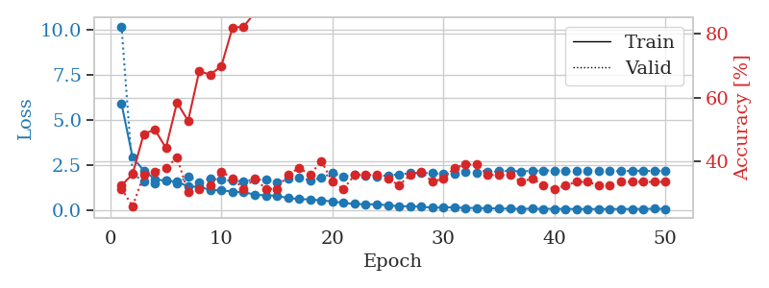
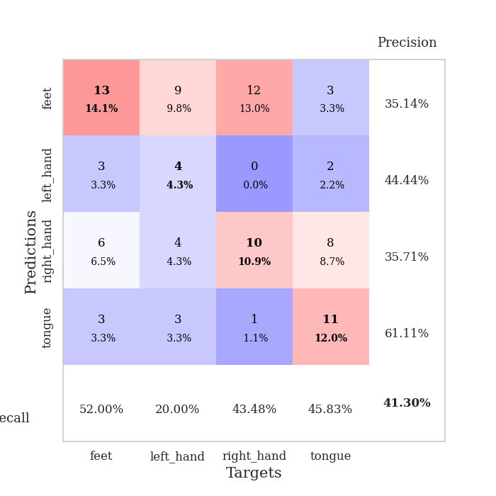
train_loss | valid_loss | train_accuracy | valid_accuracy | dur | train_misclass | valid_misclass
5.8989830743 | 10.189883978 | 0.32608695652 | 0.3152173913 | 0.10572147369 | 32.608695652 | 31.52173913
2.9273477896 | 1.9930723854 | 0.36141304348 | 0.26086956522 | 0.10598325729 | 36.141304348 | 26.086956522
2.2003975847 | 1.6164901412 | 0.48641304348 | 0.35869565217 | 0.1063170433 | 48.641304348 | 35.869565217
1.7201413512 | 1.4844060411 | 0.5 | 0.36956521739 | 0.11009597778 | 50 | 36.956521739
1.6191520069 | 1.6280588637 | 0.44293478261 | 0.38043478261 | 0.11166572571 | 44.293478261 | 38.043478261
1.5871943391 | 1.5036984164 | 0.58423913043 | 0.41304347826 | 0.10957956314 | 58.423913043 | 41.304347826
1.3069945626 | 1.8597423564 | 0.52717391304 | 0.30434782609 | 0.10228633881 | 52.717391304 | 30.434782609
1.2984003528 | 1.5587147474 | 0.68206521739 | 0.3152173913 | 0.10594105721 | 68.206521739 | 31.52173913
1.1122772305 | 1.7630446113 | 0.67119565217 | 0.32608695652 | 0.10852885246 | 67.119565217 | 32.608695652
1.1041426011 | 1.6855658656 | 0.69836956522 | 0.36956521739 | 0.11030101776 | 69.836956522 | 36.956521739
1.0256412107 | 1.6196052821 | 0.81793478261 | 0.34782608696 | 0.10771369934 | 81.793478261 | 34.782608696
0.98807733733 | 1.6016674871 | 0.82065217391 | 0.3152173913 | 0.10524010658 | 82.065217391 | 31.52173913
0.86766288591 | 1.7016751818 | 0.86413043478 | 0.34782608696 | 0.10872459412 | 86.413043478 | 34.782608696
0.80490283603 | 1.6738557764 | 0.91847826087 | 0.3152173913 | 0.11466264725 | 91.847826087 | 31.52173913
0.80151968158 | 1.5444869062 | 0.97010869565 | 0.3152173913 | 0.11208081245 | 97.010869565 | 31.52173913
0.66439123387 | 1.7485980677 | 0.94836956522 | 0.35869565217 | 0.11270403862 | 94.836956522 | 35.869565217
0.62110800458 | 1.7786011644 | 0.94293478261 | 0.38043478261 | 0.10572338104 | 94.293478261 | 38.043478261
0.5868189905 | 1.6600290537 | 0.98097826087 | 0.35869565217 | 0.11070132256 | 98.097826087 | 35.869565217
0.53657823995 | 1.7854245279 | 0.98369565217 | 0.40217391304 | 0.10042142868 | 98.369565217 | 40.217391304
0.48539176519 | 2.0552406778 | 0.98097826087 | 0.33695652174 | 0.11035943031 | 98.097826087 | 33.695652174
0.4028610762 | 1.8702437515 | 0.9972826087 | 0.3152173913 | 0.10936975479 | 99.72826087 | 31.52173913
0.34066921537 | 1.9593205711 | 1 | 0.35869565217 | 0.106808424 | 100 | 35.869565217
0.32419264673 | 1.8893074575 | 1 | 0.35869565217 | 0.11012649536 | 100 | 35.869565217
0.32124518959 | 1.8779883229 | 1 | 0.35869565217 | 0.10662746429 | 100 | 35.869565217
0.27060254436 | 1.9272565583 | 1 | 0.34782608696 | 0.10924482346 | 100 | 34.782608696
0.21405534867 | 1.9830982115 | 1 | 0.32608695652 | 0.11162543297 | 100 | 32.608695652
0.21345574992 | 2.0454221757 | 1 | 0.35869565217 | 0.11073327065 | 100 | 35.869565217
0.19127134995 | 2.0590775117 | 1 | 0.36956521739 | 0.11073732376 | 100 | 36.956521739
0.13600760569 | 2.0458420049 | 1 | 0.33695652174 | 0.11133623123 | 100 | 33.695652174
0.15029129645 | 1.9963741976 | 1 | 0.34782608696 | 0.10973668098 | 100 | 34.782608696
0.15284459908 | 2.0301488845 | 1 | 0.38043478261 | 0.10814976692 | 100 | 38.043478261
0.11764443245 | 2.1375015715 | 1 | 0.39130434783 | 0.10766506195 | 100 | 39.130434783
0.12087385049 | 2.0639046016 | 1 | 0.39130434783 | 0.10486483574 | 100 | 39.130434783
0.098694897216 | 2.1164323921 | 1 | 0.35869565217 | 0.10836625099 | 100 | 35.869565217
0.094088962099 | 2.1534609587 | 1 | 0.35869565217 | 0.10697388649 | 100 | 35.869565217
0.076567179726 | 2.1783459705 | 1 | 0.35869565217 | 0.11020040512 | 100 | 35.869565217
0.070754384622 | 2.1460154627 | 1 | 0.33695652174 | 0.10887527466 | 100 | 33.695652174
0.080385161199 | 2.1820408935 | 1 | 0.34782608696 | 0.10651230812 | 100 | 34.782608696
0.071311959713 | 2.1936897247 | 1 | 0.32608695652 | 0.10896396637 | 100 | 32.608695652
0.07047801481 | 2.2000241331 | 1 | 0.3152173913 | 0.11000967026 | 100 | 31.52173913
0.068957595803 | 2.1571843313 | 1 | 0.32608695652 | 0.11295723915 | 100 | 32.608695652
0.063029864479 | 2.1564921348 | 1 | 0.33695652174 | 0.10287737846 | 100 | 33.695652174
0.063071809628 | 2.1705656103 | 1 | 0.33695652174 | 0.10863041878 | 100 | 33.695652174
0.060509448992 | 2.1687378676 | 1 | 0.32608695652 | 0.10801744461 | 100 | 32.608695652
0.063171585698 | 2.1709426849 | 1 | 0.32608695652 | 0.10917830467 | 100 | 32.608695652
0.060492404413 | 2.1613331826 | 1 | 0.33695652174 | 0.11001896858 | 100 | 33.695652174
0.065771161862 | 2.1783424616 | 1 | 0.33695652174 | 0.11332941055 | 100 | 33.695652174
0.062418155615 | 2.1821496642 | 1 | 0.33695652174 | 0.1090502739 | 100 | 33.695652174
0.081177913219 | 2.1676932211 | 1 | 0.33695652174 | 0.10744333267 | 100 | 33.695652174
0.066780159331 | 2.1836150211 | 1 | 0.33695652174 | 0.10993552208 | 100 | 33.695652174

Best Val accuracy is 0.41304347826086957 and Best test accuracy is 0.3793103448275862

Sheet5
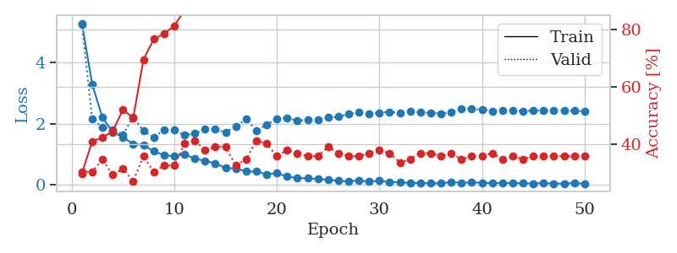
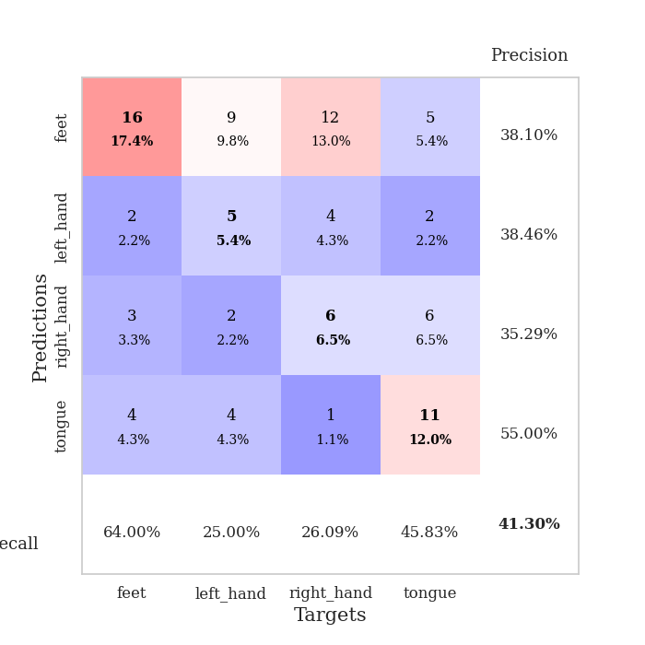
train_loss | valid_loss | train_accuracy | valid_accuracy | dur | train_misclass | valid_misclass
5.2925784018 | 5.2572206829 | 0.29891304348 | 0.30434782609 | 0.10556149483 | 29.891304348 | 30.434782609
3.2947602998 | 2.1474039451 | 0.41032608696 | 0.30434782609 | 0.10757112503 | 41.032608696 | 30.434782609
2.2031654223 | 1.889412683 | 0.42391304348 | 0.34782608696 | 0.10533571243 | 42.391304348 | 34.782608696
1.7322519188 | 1.7971979898 | 0.44565217391 | 0.29347826087 | 0.11022353172 | 44.565217391 | 29.347826087
1.5574020588 | 1.6451014436 | 0.52173913043 | 0.3152173913 | 0.10808992386 | 52.173913043 | 31.52173913
1.3413393264 | 2.2249959344 | 0.49184782609 | 0.27173913043 | 0.11014056206 | 49.184782609 | 27.173913043
1.3033231393 | 1.7646660442 | 0.69565217391 | 0.35869565217 | 0.10787940025 | 69.565217391 | 35.869565217
1.10065143 | 1.5582039408 | 0.76630434783 | 0.30434782609 | 0.11185717583 | 76.630434783 | 30.434782609
0.97688117235 | 1.799422119 | 0.78532608696 | 0.32608695652 | 0.10952615738 | 78.532608696 | 32.608695652
0.93785024208 | 1.7916450604 | 0.8125 | 0.32608695652 | 0.10577249527 | 81.25 | 32.608695652
1.005096674 | 1.6239163824 | 0.86684782609 | 0.40217391304 | 0.10843014717 | 86.684782609 | 40.217391304
0.86190553333 | 1.6833302716 | 0.91304347826 | 0.41304347826 | 0.10640621185 | 91.304347826 | 41.304347826
0.78707714962 | 1.8254775794 | 0.89673913043 | 0.38043478261 | 0.1075117588 | 89.673913043 | 38.043478261
0.70727344311 | 1.8159282829 | 0.92934782609 | 0.39130434783 | 0.10476326942 | 92.934782609 | 39.130434783
0.55089551988 | 1.7249639293 | 0.96467391304 | 0.39130434783 | 0.10850119591 | 96.467391304 | 39.130434783
0.53982679416 | 1.9184194129 | 0.98641304348 | 0.32608695652 | 0.10896015167 | 98.641304348 | 32.608695652
0.44628931031 | 2.152372184 | 0.98369565217 | 0.34782608696 | 0.11237883568 | 98.369565217 | 34.782608696
0.43607313089 | 1.7820259592 | 0.99184782609 | 0.41304347826 | 0.10384702682 | 99.184782609 | 41.304347826
0.34955033012 | 1.9693279266 | 0.9972826087 | 0.40217391304 | 0.11341786385 | 99.72826087 | 40.217391304
0.38533574148 | 2.1680519788 | 0.9972826087 | 0.35869565217 | 0.10839915276 | 99.72826087 | 35.869565217
0.27725767312 | 2.1862877763 | 1 | 0.38043478261 | 0.10826277733 | 100 | 38.043478261
0.22215375094 | 2.1091252721 | 1 | 0.36956521739 | 0.11146473885 | 100 | 36.956521739
0.21772991801 | 2.1256060186 | 1 | 0.35869565217 | 0.1085562706 | 100 | 35.869565217
0.1993131035 | 2.1319862138 | 1 | 0.35869565217 | 0.10650873184 | 100 | 35.869565217
0.16395026721 | 2.2080306385 | 1 | 0.39130434783 | 0.106757164 | 100 | 39.130434783
0.13691940628 | 2.2301297499 | 1 | 0.36956521739 | 0.11044955254 | 100 | 36.956521739
0.11739482407 | 2.3166764819 | 1 | 0.35869565217 | 0.10834527016 | 100 | 35.869565217
0.14797800893 | 2.387193514 | 1 | 0.35869565217 | 0.10394430161 | 100 | 35.869565217
0.10665090633 | 2.3125152173 | 1 | 0.36956521739 | 0.10858345032 | 100 | 36.956521739
0.13899735402 | 2.3655630817 | 1 | 0.38043478261 | 0.11131763458 | 100 | 38.043478261
0.090755863439 | 2.3907164283 | 1 | 0.36956521739 | 0.10672163963 | 100 | 36.956521739
0.087074812421 | 2.3643972044 | 1 | 0.33695652174 | 0.10500478745 | 100 | 33.695652174
0.065759713802 | 2.4074600987 | 1 | 0.34782608696 | 0.10988736153 | 100 | 34.782608696
0.06264814864 | 2.3780482748 | 1 | 0.36956521739 | 0.11010408401 | 100 | 36.956521739
0.052528626893 | 2.3617373446 | 1 | 0.36956521739 | 0.10956764221 | 100 | 36.956521739
0.053829157239 | 2.3359686914 | 1 | 0.35869565217 | 0.10717463493 | 100 | 35.869565217
0.090598290624 | 2.3828826676 | 1 | 0.36956521739 | 0.1134750843 | 100 | 36.956521739
0.069858075282 | 2.49114219 | 1 | 0.34782608696 | 0.10821270943 | 100 | 34.782608696
0.084814298918 | 2.4921522659 | 1 | 0.35869565217 | 0.1085524559 | 100 | 35.869565217
0.069359060255 | 2.4617392913 | 1 | 0.35869565217 | 0.11173081398 | 100 | 35.869565217
0.05967691978 | 2.4226899043 | 1 | 0.36956521739 | 0.10684013367 | 100 | 36.956521739
0.05861834137 | 2.4359213166 | 1 | 0.34782608696 | 0.10964488983 | 100 | 34.782608696
0.058446621016 | 2.4344981339 | 1 | 0.35869565217 | 0.10856056213 | 100 | 35.869565217
0.056037507546 | 2.4135231661 | 1 | 0.34782608696 | 0.11193561554 | 100 | 34.782608696
0.045167196502 | 2.4393027347 | 1 | 0.35869565217 | 0.10623788834 | 100 | 35.869565217
0.06338563529 | 2.439586204 | 1 | 0.35869565217 | 0.11051607132 | 100 | 35.869565217
0.04488084364 | 2.4342088699 | 1 | 0.35869565217 | 0.10818791389 | 100 | 35.869565217
0.046373556854 | 2.4340418214 | 1 | 0.35869565217 | 0.11236476898 | 100 | 35.869565217
0.058225574863 | 2.4254490293 | 1 | 0.35869565217 | 0.10610151291 | 100 | 35.869565217
0.043043415427 | 2.4087778382 | 1 | 0.35869565217 | 0.10637283325 | 100 | 35.869565217

Best Val accuracy is 0.41304347826086957 and Best test accuracy is 0.3448275862068966

Sheet6
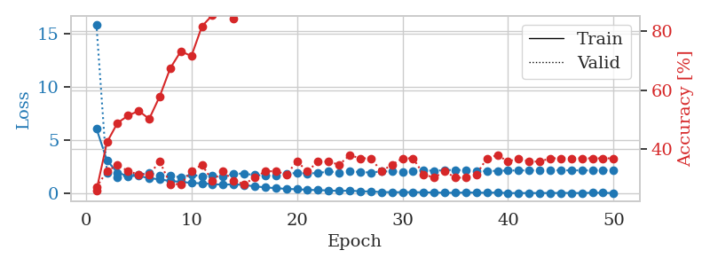
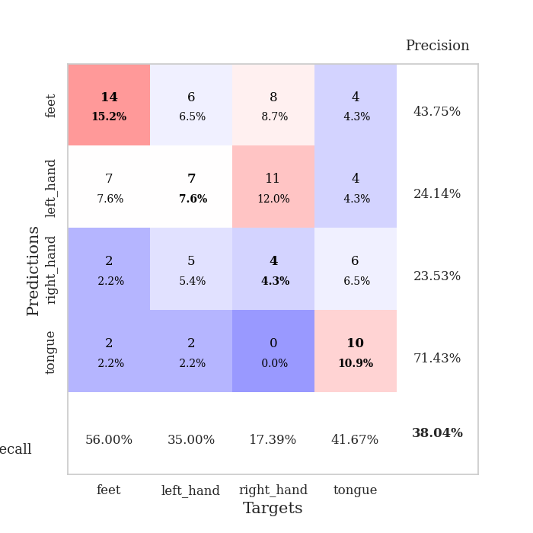
train_loss | valid_loss | train_accuracy | valid_accuracy | dur | train_misclass | valid_misclass
6.1220420962 | 15.891187212 | 0.26086956522 | 0.27173913043 | 0.10933423042 | 26.086956522 | 27.173913043
3.110251406 | 1.9055695948 | 0.42391304348 | 0.32608695652 | 0.1095957756 | 42.391304348 | 32.608695652
1.9613479169 | 1.4993985425 | 0.48913043478 | 0.34782608696 | 0.11077022552 | 48.913043478 | 34.782608696
1.6472580537 | 1.7437379308 | 0.51358695652 | 0.32608695652 | 0.10817861557 | 51.358695652 | 32.608695652
1.6571544357 | 1.7998443894 | 0.52989130435 | 0.3152173913 | 0.10876965523 | 52.989130435 | 31.52173913
1.4501942552 | 1.9236511562 | 0.5027173913 | 0.3152173913 | 0.11034846306 | 50.27173913 | 31.52173913
1.3383209032 | 1.7183327882 | 0.57880434783 | 0.35869565217 | 0.10903692245 | 57.880434783 | 35.869565217
1.1806588562 | 1.691838591 | 0.67391304348 | 0.28260869565 | 0.11439085007 | 67.391304348 | 28.260869565
1.110817663 | 1.5185151463 | 0.73097826087 | 0.28260869565 | 0.10732769966 | 73.097826087 | 28.260869565
0.99669231798 | 1.7872695094 | 0.71467391304 | 0.32608695652 | 0.10938954353 | 71.467391304 | 32.608695652
0.96765885923 | 1.5820935757 | 0.8152173913 | 0.34782608696 | 0.10365056992 | 81.52173913 | 34.782608696
0.89225046531 | 1.7167425415 | 0.85326086957 | 0.29347826087 | 0.10968232155 | 85.326086957 | 29.347826087
0.83547744155 | 1.605153939 | 0.88315217391 | 0.32608695652 | 0.10551404953 | 88.315217391 | 32.608695652
0.87550468808 | 1.8737801935 | 0.83967391304 | 0.29347826087 | 0.11018013954 | 83.967391304 | 29.347826087
0.80855966392 | 1.8721011825 | 0.92119565217 | 0.28260869565 | 0.10868096352 | 92.119565217 | 28.260869565
0.67714829937 | 1.7404550366 | 0.92663043478 | 0.30434782609 | 0.10760068893 | 92.663043478 | 30.434782609
0.58311883652 | 1.6997189833 | 0.96467391304 | 0.32608695652 | 0.10851764679 | 96.467391304 | 32.608695652
0.51071648364 | 1.7244458976 | 0.99456521739 | 0.32608695652 | 0.10323238373 | 99.456521739 | 32.608695652
0.43930783414 | 1.8748741098 | 0.97826086957 | 0.3152173913 | 0.10927319527 | 97.826086957 | 31.52173913
0.40823196458 | 1.9313146757 | 0.99184782609 | 0.35869565217 | 0.1065466404 | 99.184782609 | 35.869565217
0.35186610403 | 1.8966956812 | 0.9972826087 | 0.32608695652 | 0.10932564735 | 99.72826087 | 32.608695652
0.32531657361 | 1.9285168544 | 1 | 0.35869565217 | 0.10662555695 | 100 | 35.869565217
0.29553851615 | 2.0789499386 | 0.9972826087 | 0.35869565217 | 0.11484456062 | 99.72826087 | 35.869565217
0.24336730235 | 1.9823341681 | 1 | 0.34782608696 | 0.11601185799 | 100 | 34.782608696
0.28440196294 | 2.0878795437 | 1 | 0.38043478261 | 0.11672687531 | 100 | 38.043478261
0.21481317071 | 2.020726857 | 1 | 0.36956521739 | 0.10620832443 | 100 | 36.956521739
0.20163475204 | 1.9788484677 | 1 | 0.36956521739 | 0.10719442368 | 100 | 36.956521739
0.14698637844 | 2.0770337478 | 1 | 0.32608695652 | 0.10633802414 | 100 | 32.608695652
0.12933925572 | 2.0931450595 | 1 | 0.34782608696 | 0.10976719856 | 100 | 34.782608696
0.13290508861 | 2.0282437387 | 1 | 0.36956521739 | 0.11344194412 | 100 | 36.956521739
0.13682020796 | 2.0685405213 | 1 | 0.36956521739 | 0.10775279999 | 100 | 36.956521739
0.11800074148 | 2.200206767 | 1 | 0.3152173913 | 0.11105871201 | 100 | 31.52173913
0.10529469828 | 2.1304337875 | 1 | 0.30434782609 | 0.10898113251 | 100 | 30.434782609
0.078773054902 | 2.2161170192 | 1 | 0.32608695652 | 0.11216139793 | 100 | 32.608695652
0.077265710205 | 2.2100038425 | 1 | 0.30434782609 | 0.10577964783 | 100 | 30.434782609
0.10321958112 | 2.2177368973 | 1 | 0.30434782609 | 0.10903978348 | 100 | 30.434782609
0.094086452914 | 2.13907077 | 1 | 0.3152173913 | 0.1084446907 | 100 | 31.52173913
0.075156395121 | 2.0990049839 | 1 | 0.36956521739 | 0.11081600189 | 100 | 36.956521739
0.10267714354 | 2.14749641 | 1 | 0.38043478261 | 0.10617542267 | 100 | 38.043478261
0.048669058506 | 2.1644244298 | 1 | 0.35869565217 | 0.10968136787 | 100 | 35.869565217
0.054897941487 | 2.1696778795 | 1 | 0.36956521739 | 0.099711418152 | 100 | 36.956521739
0.051831643988 | 2.1836314409 | 1 | 0.35869565217 | 0.11007785797 | 100 | 35.869565217
0.056918001207 | 2.1751078419 | 1 | 0.35869565217 | 0.11012387276 | 100 | 35.869565217
0.056090487714 | 2.1822191114 | 1 | 0.36956521739 | 0.11223101616 | 100 | 36.956521739
0.063567730153 | 2.1911978825 | 1 | 0.36956521739 | 0.10806465149 | 100 | 36.956521739
0.062577829899 | 2.1792996033 | 1 | 0.36956521739 | 0.1102745533 | 100 | 36.956521739
0.049180744358 | 2.1844149258 | 1 | 0.36956521739 | 0.1074988842 | 100 | 36.956521739
0.085056780878 | 2.1701360474 | 1 | 0.36956521739 | 0.11246371269 | 100 | 36.956521739
0.072312975505 | 2.206779594 | 1 | 0.36956521739 | 0.10742545128 | 100 | 36.956521739
0.052808205719 | 2.1836415477 | 1 | 0.36956521739 | 0.10823774338 | 100 | 36.956521739

Best Val accuracy is 0.3804347826086957 and Best test accuracy is 0.39655172413793105

Sheet7
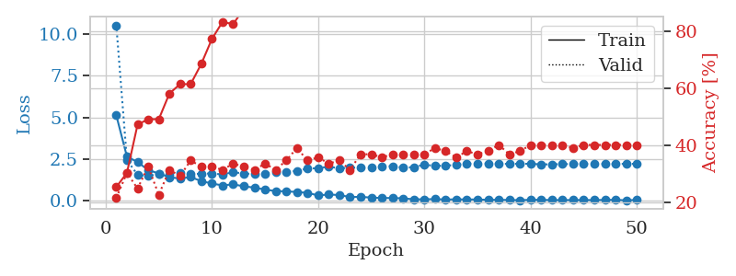
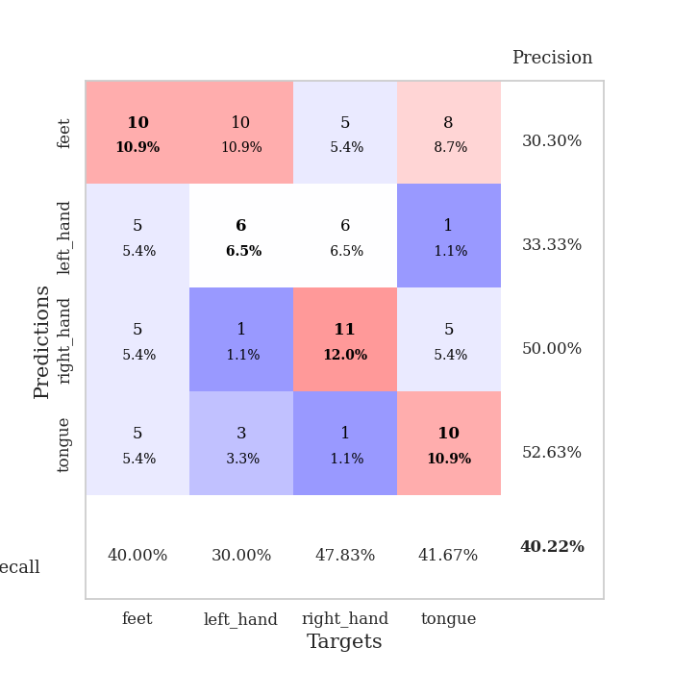
train_loss | valid_loss | train_accuracy | valid_accuracy | dur | train_misclass | valid_misclass
5.1344738836 | 10.529215066 | 0.25543478261 | 0.21739130435 | 0.10682988167 | 25.543478261 | 21.739130435
2.661124898 | 2.4542544769 | 0.30434782609 | 0.30434782609 | 0.10736560822 | 30.434782609 | 30.434782609
2.337759443 | 1.5712059218 | 0.47282608696 | 0.25 | 0.10472393036 | 47.282608696 | 25
1.8573437929 | 1.5005452322 | 0.49184782609 | 0.32608695652 | 0.10575842857 | 49.184782609 | 32.608695652
1.6493717069 | 1.6206124503 | 0.49184782609 | 0.22826086957 | 0.11173510551 | 49.184782609 | 22.826086957
1.4305170204 | 1.5463418079 | 0.58152173913 | 0.3152173913 | 0.11673212051 | 58.152173913 | 31.52173913
1.3446219175 | 1.6784890683 | 0.61413043478 | 0.29347826087 | 0.11057925224 | 61.413043478 | 29.347826087
1.4377683246 | 1.60593887 | 0.61413043478 | 0.34782608696 | 0.10391354561 | 61.413043478 | 34.782608696
1.1920040535 | 1.63979804 | 0.6847826087 | 0.32608695652 | 0.10941290855 | 68.47826087 | 32.608695652
1.0485964599 | 1.6501678228 | 0.77173913043 | 0.32608695652 | 0.10775589943 | 77.173913043 | 32.608695652
0.93511842126 | 1.5939521271 | 0.83152173913 | 0.3152173913 | 0.11129784584 | 83.152173913 | 31.52173913
0.99854207557 | 1.7286341294 | 0.82336956522 | 0.33695652174 | 0.10929584503 | 82.336956522 | 33.695652174
0.88341291573 | 1.6413089711 | 0.8777173913 | 0.32608695652 | 0.11017346382 | 87.77173913 | 32.608695652
0.8012956938 | 1.6207061488 | 0.95380434783 | 0.3152173913 | 0.10663747787 | 95.380434783 | 31.52173913
0.68950887996 | 1.6283288883 | 0.97826086957 | 0.33695652174 | 0.10392904282 | 97.826086957 | 33.695652174
0.59261619656 | 1.7429573691 | 0.99184782609 | 0.3152173913 | 0.10957598686 | 99.184782609 | 31.52173913
0.58233837589 | 1.7307304662 | 0.98913043478 | 0.34782608696 | 0.10612988472 | 98.913043478 | 34.782608696
0.53896157767 | 1.8087530188 | 0.9972826087 | 0.39130434783 | 0.1152780056 | 99.72826087 | 39.130434783
0.49079296446 | 1.9442111824 | 0.99184782609 | 0.34782608696 | 0.11074852943 | 99.184782609 | 34.782608696
0.33340470622 | 1.9692615737 | 0.99184782609 | 0.35869565217 | 0.10823917389 | 99.184782609 | 35.869565217
0.39070351681 | 2.0567436737 | 0.9972826087 | 0.33695652174 | 0.10330200195 | 99.72826087 | 33.695652174
0.35654973401 | 1.9589102631 | 1 | 0.34782608696 | 0.10946059227 | 100 | 34.782608696
0.23991873277 | 2.0006452436 | 1 | 0.3152173913 | 0.10809636116 | 100 | 31.52173913
0.24729055717 | 1.9967836608 | 1 | 0.36956521739 | 0.10485911369 | 100 | 36.956521739
0.20704920136 | 2.0158691769 | 1 | 0.36956521739 | 0.10684394836 | 100 | 36.956521739
0.17956172934 | 2.0767905919 | 1 | 0.35869565217 | 0.10951828957 | 100 | 35.869565217
0.18010279812 | 2.0880459599 | 1 | 0.36956521739 | 0.10923457146 | 100 | 36.956521739
0.1602105227 | 1.9937200961 | 1 | 0.36956521739 | 0.10936379433 | 100 | 36.956521739
0.10359281804 | 2.031688089 | 1 | 0.36956521739 | 0.10792851448 | 100 | 36.956521739
0.10212600668 | 2.1772887396 | 1 | 0.36956521739 | 0.10970878601 | 100 | 36.956521739
0.11562786413 | 2.1055923856 | 1 | 0.39130434783 | 0.11080336571 | 100 | 39.130434783
0.089025936535 | 2.1169207718 | 1 | 0.38043478261 | 0.1110200882 | 100 | 38.043478261
0.10049092859 | 2.1682022654 | 1 | 0.35869565217 | 0.10700893402 | 100 | 35.869565217
0.092208449769 | 2.2468336665 | 1 | 0.38043478261 | 0.11036157608 | 100 | 38.043478261
0.091621203429 | 2.2235596595 | 1 | 0.36956521739 | 0.10790085793 | 100 | 36.956521739
0.069290551478 | 2.250549306 | 1 | 0.38043478261 | 0.11129355431 | 100 | 38.043478261
0.071656613813 | 2.2286635793 | 1 | 0.40217391304 | 0.10924506187 | 100 | 40.217391304
0.062779537767 | 2.2267986588 | 1 | 0.36956521739 | 0.1101231575 | 100 | 36.956521739
0.05137877721 | 2.233050336 | 1 | 0.38043478261 | 0.11241889 | 100 | 38.043478261
0.071602695217 | 2.2301513423 | 1 | 0.40217391304 | 0.10978603363 | 100 | 40.217391304
0.071420214949 | 2.1964179226 | 1 | 0.40217391304 | 0.10475635529 | 100 | 40.217391304
0.055952504196 | 2.1992732546 | 1 | 0.40217391304 | 0.10456991196 | 100 | 40.217391304
0.057825405556 | 2.2078743603 | 1 | 0.40217391304 | 0.11011528969 | 100 | 40.217391304
0.057155042603 | 2.2210137118 | 1 | 0.39130434783 | 0.10927677155 | 100 | 39.130434783
0.058738131157 | 2.225372812 | 1 | 0.40217391304 | 0.10826921463 | 100 | 40.217391304
0.057258655439 | 2.214135398 | 1 | 0.40217391304 | 0.11237645149 | 100 | 40.217391304
0.065800882673 | 2.2218682559 | 1 | 0.40217391304 | 0.10904526711 | 100 | 40.217391304
0.071736955003 | 2.2109519502 | 1 | 0.40217391304 | 0.10679769516 | 100 | 40.217391304
0.041462952737 | 2.2339897985 | 1 | 0.40217391304 | 0.10994768143 | 100 | 40.217391304
0.067432684459 | 2.2230081144 | 1 | 0.40217391304 | 0.10678243637 | 100 | 40.217391304

Best Val accuracy is 0.40217391304347827 and Best test accuracy is 0.43103448275862066

Sheet8
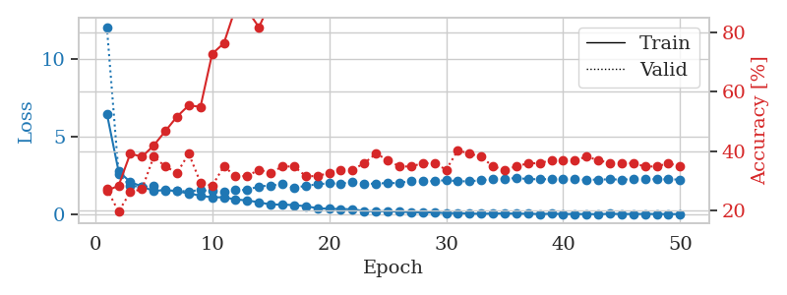
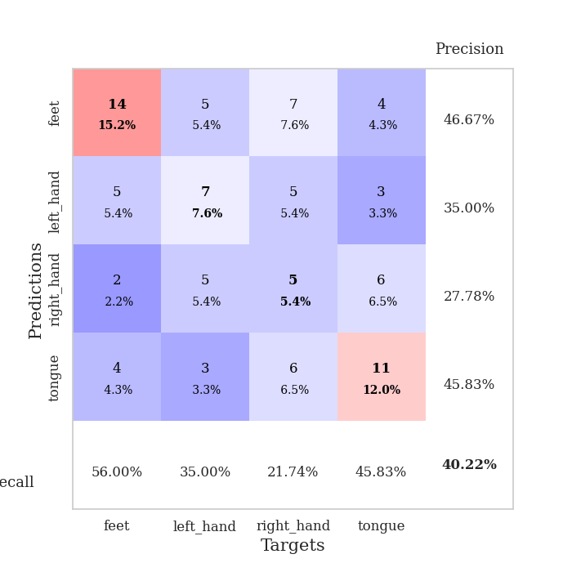
train_loss | valid_loss | train_accuracy | valid_accuracy | dur | train_misclass | valid_misclass
6.5068523262 | 12.084468178 | 0.26630434783 | 0.27173913043 | 0.10214567184 | 26.630434783 | 27.173913043
2.797614875 | 2.6486455358 | 0.28260869565 | 0.19565217391 | 0.11192178726 | 28.260869565 | 19.565217391
2.1034663294 | 1.8540940077 | 0.39130434783 | 0.26086956522 | 0.11106944084 | 39.130434783 | 26.086956522
1.81759288 | 1.8076859972 | 0.38043478261 | 0.27173913043 | 0.10929322243 | 38.043478261 | 27.173913043
1.5230318826 | 1.8343756354 | 0.41847826087 | 0.38043478261 | 0.10682415962 | 41.847826087 | 38.043478261
1.5973025275 | 1.5702226473 | 0.46739130435 | 0.34782608696 | 0.11066484451 | 46.739130435 | 34.782608696
1.5090068371 | 1.5340678329 | 0.51630434783 | 0.32608695652 | 0.11266064644 | 51.630434783 | 32.608695652
1.365641099 | 1.5030353639 | 0.55434782609 | 0.39130434783 | 0.10722613335 | 55.434782609 | 39.130434783
1.2289700404 | 1.5908628961 | 0.54891304348 | 0.29347826087 | 0.10984873772 | 54.891304348 | 29.347826087
1.112912121 | 1.5138625269 | 0.72826086957 | 0.28260869565 | 0.1138420105 | 72.826086957 | 28.260869565
1.1258649075 | 1.4740285718 | 0.76358695652 | 0.34782608696 | 0.11360454559 | 76.358695652 | 34.782608696
0.97953152397 | 1.5796813809 | 0.88315217391 | 0.3152173913 | 0.10946679115 | 88.315217391 | 31.52173913
0.91928100845 | 1.5992232146 | 0.875 | 0.3152173913 | 0.10956811905 | 87.5 | 31.52173913
0.79953194831 | 1.8226103886 | 0.81793478261 | 0.33695652174 | 0.10833024979 | 81.793478261 | 33.695652174
0.65268106564 | 1.8841809293 | 0.90489130435 | 0.32608695652 | 0.10787940025 | 90.489130435 | 32.608695652
0.65686747173 | 1.9572496311 | 0.9402173913 | 0.34782608696 | 0.10402441025 | 94.02173913 | 34.782608696
0.61472579837 | 1.7256402451 | 0.97010869565 | 0.34782608696 | 0.11104106903 | 97.010869565 | 34.782608696
0.54849066877 | 1.8610749763 | 0.97554347826 | 0.3152173913 | 0.10628867149 | 97.554347826 | 31.52173913
0.41593744962 | 1.9562899133 | 0.9972826087 | 0.3152173913 | 0.10322642326 | 99.72826087 | 31.52173913
0.38511528593 | 2.0237138686 | 1 | 0.32608695652 | 0.10347127914 | 100 | 32.608695652
0.36223316841 | 2.0025086092 | 0.9972826087 | 0.33695652174 | 0.10929346085 | 99.72826087 | 33.695652174
0.35260374067 | 2.1036815332 | 0.9972826087 | 0.33695652174 | 0.10044884682 | 99.72826087 | 33.695652174
0.23046422167 | 1.996349739 | 1 | 0.35869565217 | 0.10885858536 | 100 | 35.869565217
0.22007909126 | 1.9967795248 | 1 | 0.39130434783 | 0.10753202438 | 100 | 39.130434783
0.22601408738 | 2.0453348782 | 1 | 0.36956521739 | 0.1080827713 | 100 | 36.956521739
0.18681381999 | 2.0308841933 | 1 | 0.34782608696 | 0.10650539398 | 100 | 34.782608696
0.16109476676 | 2.1892862631 | 1 | 0.34782608696 | 0.11228322983 | 100 | 34.782608696
0.14736911671 | 2.1944381361 | 1 | 0.35869565217 | 0.11165452003 | 100 | 35.869565217
0.15042257981 | 2.1466545333 | 1 | 0.35869565217 | 0.10555005074 | 100 | 35.869565217
0.097157123458 | 2.2329381342 | 1 | 0.33695652174 | 0.1036875248 | 100 | 33.695652174
0.10549180744 | 2.149242878 | 1 | 0.40217391304 | 0.11123752594 | 100 | 40.217391304
0.074028995779 | 2.1515872893 | 1 | 0.39130434783 | 0.11532473564 | 100 | 39.130434783
0.060305771985 | 2.2186203418 | 1 | 0.38043478261 | 0.1038775444 | 100 | 38.043478261
0.076920766748 | 2.2911020051 | 1 | 0.34782608696 | 0.10665416718 | 100 | 34.782608696
0.079861788606 | 2.3045256967 | 1 | 0.33695652174 | 0.10702729225 | 100 | 33.695652174
0.070237056595 | 2.3613090308 | 1 | 0.34782608696 | 0.10998392105 | 100 | 34.782608696
0.063261817736 | 2.2924211647 | 1 | 0.35869565217 | 0.1088373661 | 100 | 35.869565217
0.047368010344 | 2.2823472127 | 1 | 0.35869565217 | 0.10743689537 | 100 | 35.869565217
0.064094392421 | 2.2888751548 | 1 | 0.36956521739 | 0.10629343987 | 100 | 36.956521739
0.048041187956 | 2.2701727204 | 1 | 0.36956521739 | 0.11063075066 | 100 | 36.956521739
0.045331555419 | 2.2781741723 | 1 | 0.36956521739 | 0.10894584656 | 100 | 36.956521739
0.040768548158 | 2.2432269428 | 1 | 0.38043478261 | 0.10418105125 | 100 | 38.043478261
0.036987678188 | 2.2623096964 | 1 | 0.36956521739 | 0.11045861244 | 100 | 36.956521739
0.058446754094 | 2.2737586395 | 1 | 0.35869565217 | 0.10915732384 | 100 | 35.869565217
0.047231551422 | 2.26408748 | 1 | 0.35869565217 | 0.10650706291 | 100 | 35.869565217
0.048142142594 | 2.2777258521 | 1 | 0.35869565217 | 0.11386418343 | 100 | 35.869565217
0.048055791256 | 2.2793121649 | 1 | 0.34782608696 | 0.11083436012 | 100 | 34.782608696
0.046908477929 | 2.2852691256 | 1 | 0.34782608696 | 0.1079287529 | 100 | 34.782608696
0.038676405771 | 2.273220508 | 1 | 0.35869565217 | 0.10520553589 | 100 | 35.869565217
0.041255373143 | 2.2627733998 | 1 | 0.34782608696 | 0.10351848602 | 100 | 34.782608696

Best Val accuracy is 0.40217391304347827 and Best test accuracy is 0.31896551724137934

Sheet9
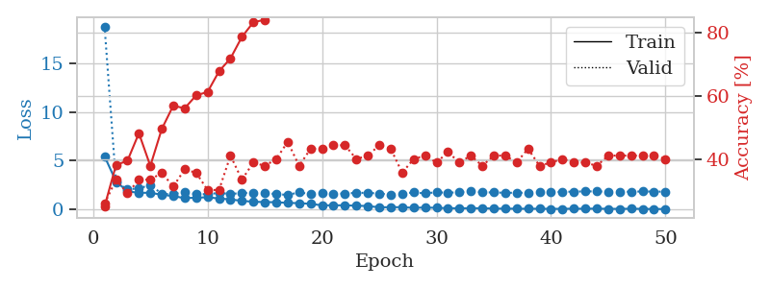
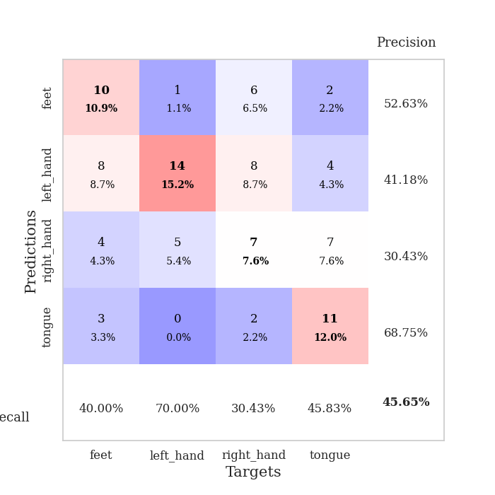
train_loss | valid_loss | train_accuracy | valid_accuracy | dur | train_misclass | valid_misclass
5.4487441001 | 18.771569957 | 0.2527173913 | 0.26086956522 | 0.10939478874 | 25.27173913 | 26.086956522
2.8907805215 | 2.7558254522 | 0.38315217391 | 0.33695652174 | 0.10926699638 | 38.315217391 | 33.695652174
1.8594340241 | 2.0833103138 | 0.39673913043 | 0.29347826087 | 0.1135468483 | 39.673913043 | 29.347826087
1.7165361461 | 2.1575152719 | 0.48369565217 | 0.33695652174 | 0.11160135269 | 48.369565217 | 33.695652174
1.7163600973 | 2.5326317601 | 0.38043478261 | 0.33695652174 | 0.11284637451 | 38.043478261 | 33.695652174
1.5182186261 | 1.6046943665 | 0.4972826087 | 0.35869565217 | 0.10899782181 | 49.72826087 | 35.869565217
1.3764496964 | 1.5741389783 | 0.57065217391 | 0.3152173913 | 0.11171531677 | 57.065217391 | 31.52173913
1.1690488924 | 1.794904004 | 0.5625 | 0.36956521739 | 0.10836863518 | 56.25 | 36.956521739
1.2158672006 | 1.5809590661 | 0.60326086957 | 0.35869565217 | 0.1137471199 | 60.326086957 | 35.869565217
1.2583724468 | 1.5659361093 | 0.61413043478 | 0.30434782609 | 0.11135387421 | 61.413043478 | 30.434782609
1.1305289398 | 1.7091804432 | 0.67934782609 | 0.30434782609 | 0.11111807823 | 67.934782609 | 30.434782609
1.039146229 | 1.591132703 | 0.72010869565 | 0.41304347826 | 0.10313367844 | 72.010869565 | 41.304347826
0.88628165359 | 1.6976635404 | 0.78804347826 | 0.33695652174 | 0.10656666756 | 78.804347826 | 33.695652174
0.80153448167 | 1.7107832069 | 0.83423913043 | 0.39130434783 | 0.10749292374 | 83.423913043 | 39.130434783
0.75890212992 | 1.7189991474 | 0.84239130435 | 0.38043478261 | 0.11152172089 | 84.239130435 | 38.043478261
0.75393187481 | 1.5723906341 | 0.88315217391 | 0.40217391304 | 0.11036276817 | 88.315217391 | 40.217391304
0.67779470268 | 1.5033680201 | 0.94293478261 | 0.45652173913 | 0.10121417046 | 94.293478261 | 45.652173913
0.6550362162 | 1.7504949984 | 0.92119565217 | 0.38043478261 | 0.10823464394 | 92.119565217 | 38.043478261
0.58366612637 | 1.591354168 | 0.96195652174 | 0.4347826087 | 0.11116957664 | 96.195652174 | 43.47826087
0.42708628268 | 1.6734164487 | 0.97010869565 | 0.4347826087 | 0.10821604729 | 97.010869565 | 43.47826087
0.43314930602 | 1.6207166236 | 0.97826086957 | 0.44565217391 | 0.10981440544 | 97.826086957 | 44.565217391
0.43160853373 | 1.6380645918 | 0.97826086957 | 0.44565217391 | 0.10928249359 | 97.826086957 | 44.565217391
0.39266705578 | 1.7130999876 | 0.98913043478 | 0.40217391304 | 0.10968446732 | 98.913043478 | 40.217391304
0.35845094757 | 1.7095288038 | 0.9972826087 | 0.41304347826 | 0.11370182037 | 99.72826087 | 41.304347826
0.22583786366 | 1.6417718763 | 0.9972826087 | 0.44565217391 | 0.10610365868 | 99.72826087 | 44.565217391
0.24114870766 | 1.5409063878 | 1 | 0.4347826087 | 0.10211181641 | 100 | 43.47826087
0.24062871479 | 1.6349968651 | 1 | 0.35869565217 | 0.10653328896 | 100 | 35.869565217
0.17559037536 | 1.7497906478 | 1 | 0.40217391304 | 0.11081314087 | 100 | 40.217391304
0.20947790729 | 1.6569650173 | 1 | 0.41304347826 | 0.10070800781 | 100 | 41.304347826
0.17412202886 | 1.7692989577 | 1 | 0.39130434783 | 0.11009812355 | 100 | 39.130434783
0.1397360586 | 1.7203647987 | 1 | 0.42391304348 | 0.10961318016 | 100 | 42.391304348
0.12728564125 | 1.773720762 | 1 | 0.39130434783 | 0.10746073723 | 100 | 39.130434783
0.1365449861 | 1.8686960676 | 1 | 0.41304347826 | 0.11152791977 | 100 | 41.304347826
0.1315251835 | 1.7666334899 | 1 | 0.38043478261 | 0.11294078827 | 100 | 38.043478261
0.099705728338 | 1.747795105 | 1 | 0.41304347826 | 0.10938453674 | 100 | 41.304347826
0.092989530738 | 1.717695796 | 1 | 0.41304347826 | 0.11004328728 | 100 | 41.304347826
0.085192873912 | 1.7157862497 | 1 | 0.39130434783 | 0.10982823372 | 100 | 39.130434783
0.080028851921 | 1.7203346543 | 1 | 0.4347826087 | 0.10946893692 | 100 | 43.47826087
0.083456805381 | 1.7925141998 | 1 | 0.38043478261 | 0.10917329788 | 100 | 38.043478261
0.069727892056 | 1.7858296996 | 1 | 0.39130434783 | 0.10446739197 | 100 | 39.130434783
0.073831095806 | 1.8122193088 | 1 | 0.40217391304 | 0.10747909546 | 100 | 40.217391304
0.085933907646 | 1.8334837478 | 1 | 0.39130434783 | 0.10747981071 | 100 | 39.130434783
0.083301180285 | 1.8608906269 | 1 | 0.39130434783 | 0.10536646843 | 100 | 39.130434783
0.093980390336 | 1.8546818547 | 1 | 0.38043478261 | 0.11141848564 | 100 | 38.043478261
0.072504505475 | 1.8330596323 | 1 | 0.41304347826 | 0.11064910889 | 100 | 41.304347826
0.068441612767 | 1.837027726 | 1 | 0.41304347826 | 0.1123418808 | 100 | 41.304347826
0.082970257079 | 1.8202537557 | 1 | 0.41304347826 | 0.10420250893 | 100 | 41.304347826
0.069360431608 | 1.8558506862 | 1 | 0.41304347826 | 0.10966873169 | 100 | 41.304347826
0.051030821612 | 1.8345450318 | 1 | 0.41304347826 | 0.1102771759 | 100 | 41.304347826
0.05863430847 | 1.8355212626 | 1 | 0.40217391304 | 0.11309123039 | 100 | 40.217391304

Best Val accuracy is 0.45652173913043476 and Best test accuracy is 0.47413793103448276

Sheet10
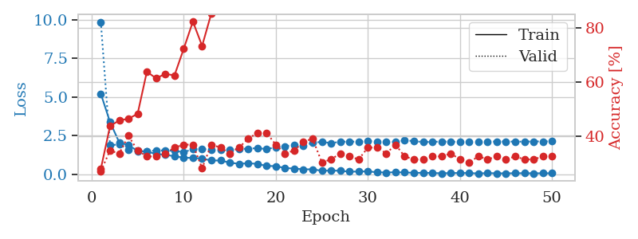
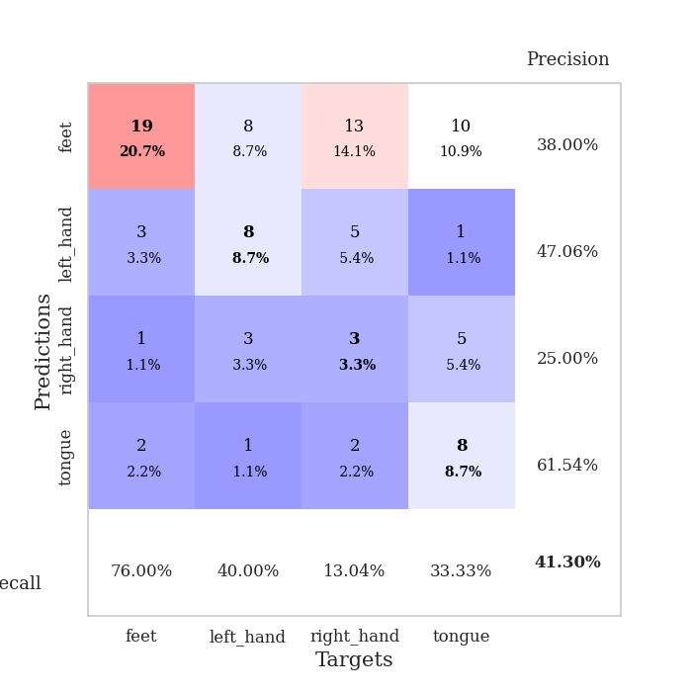
train_loss | valid_loss | train_accuracy | valid_accuracy | dur | train_misclass | valid_misclass
5.2055135188 | 9.8453765952 | 0.27989130435 | 0.27173913043 | 0.10273766518 | 27.989130435 | 27.173913043
3.377560657 | 1.8819946673 | 0.4375 | 0.34782608696 | 0.1069047451 | 43.75 | 34.782608696
2.0624070582 | 1.9255162374 | 0.45923913043 | 0.33695652174 | 0.10980176926 | 45.923913043 | 33.695652174
1.8825912683 | 1.5921484439 | 0.46467391304 | 0.40217391304 | 0.10918307304 | 46.467391304 | 40.217391304
1.5099535818 | 1.5064791337 | 0.48369565217 | 0.34782608696 | 0.10717010498 | 48.369565217 | 34.782608696
1.4634302492 | 1.4931810265 | 0.63858695652 | 0.32608695652 | 0.10606360435 | 63.858695652 | 32.608695652
1.3183458577 | 1.5332238363 | 0.61413043478 | 0.32608695652 | 0.10870552063 | 61.413043478 | 32.608695652
1.2565350144 | 1.5484457223 | 0.63043478261 | 0.33695652174 | 0.10844969749 | 63.043478261 | 33.695652174
1.1700588257 | 1.5104183581 | 0.625 | 0.35869565217 | 0.10875105858 | 62.5 | 35.869565217
1.0711364176 | 1.4339386691 | 0.72282608696 | 0.36956521739 | 0.1073539257 | 72.282608696 | 36.956521739
1.0573743634 | 1.6195015855 | 0.82336956522 | 0.36956521739 | 0.11222887039 | 82.336956522 | 36.956521739
1.014921121 | 1.6260557434 | 0.73369565217 | 0.28260869565 | 0.10794997215 | 73.369565217 | 28.260869565
0.8932875654 | 1.6001158123 | 0.85326086957 | 0.36956521739 | 0.10721254349 | 85.326086957 | 36.956521739
0.89094008052 | 1.5798230741 | 0.9347826087 | 0.35869565217 | 0.10519075394 | 93.47826087 | 35.869565217
0.75319801077 | 1.5699392453 | 0.9375 | 0.33695652174 | 0.10451412201 | 93.75 | 33.695652174
0.67743364495 | 1.6615482361 | 0.96739130435 | 0.35869565217 | 0.10765600204 | 96.739130435 | 35.869565217
0.71591606347 | 1.6387207975 | 0.97010869565 | 0.39130434783 | 0.10758495331 | 97.010869565 | 39.130434783
0.67362618706 | 1.7052787905 | 0.97282608696 | 0.41304347826 | 0.10912752151 | 97.282608696 | 41.304347826
0.54026690125 | 1.6160372599 | 0.97826086957 | 0.41304347826 | 0.10521435738 | 97.826086957 | 41.304347826
0.52861600985 | 1.7595039917 | 0.9972826087 | 0.36956521739 | 0.11691761017 | 99.72826087 | 36.956521739
0.40670966065 | 1.8075827723 | 0.99456521739 | 0.33695652174 | 0.10812139511 | 99.456521739 | 33.695652174
0.37140641459 | 1.9034854692 | 1 | 0.34782608696 | 0.10947537422 | 100 | 34.782608696
0.32105066141 | 1.8303881106 | 1 | 0.38043478261 | 0.10118460655 | 100 | 38.043478261
0.3227186514 | 2.033439149 | 0.9972826087 | 0.39130434783 | 0.11057496071 | 99.72826087 | 39.130434783
0.22755745507 | 2.0995606236 | 0.99184782609 | 0.30434782609 | 0.11159563065 | 99.184782609 | 30.434782609
0.24175043275 | 2.0135783424 | 1 | 0.3152173913 | 0.10380029678 | 100 | 31.52173913
0.22945248433 | 2.1030946296 | 1 | 0.33695652174 | 0.10710000992 | 100 | 33.695652174
0.16922567931 | 2.1139901462 | 1 | 0.32608695652 | 0.10599279404 | 100 | 32.608695652
0.18121963594 | 2.108653167 | 1 | 0.3152173913 | 0.10598039627 | 100 | 31.52173913
0.19149683837 | 2.1470472813 | 1 | 0.35869565217 | 0.11043334007 | 100 | 35.869565217
0.13107846378 | 2.1174892446 | 1 | 0.35869565217 | 0.10256743431 | 100 | 35.869565217
0.11632616834 | 2.1111830006 | 1 | 0.33695652174 | 0.11039590836 | 100 | 33.695652174
0.1315765359 | 2.0879436783 | 1 | 0.36956521739 | 0.10612416267 | 100 | 36.956521739
0.11753836201 | 2.2049119576 | 1 | 0.32608695652 | 0.11031341553 | 100 | 32.608695652
0.097071950364 | 2.1401528794 | 1 | 0.3152173913 | 0.10656189919 | 100 | 31.52173913
0.093751652247 | 2.0854952335 | 1 | 0.3152173913 | 0.10913991928 | 100 | 31.52173913
0.086078092537 | 2.093966681 | 1 | 0.32608695652 | 0.10529398918 | 100 | 32.608695652
0.065569487279 | 2.1179542645 | 1 | 0.32608695652 | 0.10543870926 | 100 | 32.608695652
0.081597141841 | 2.1076092513 | 1 | 0.33695652174 | 0.1117310524 | 100 | 33.695652174
0.083776744164 | 2.0877712706 | 1 | 0.3152173913 | 0.1065299511 | 100 | 31.52173913
0.082724455177 | 2.1025089492 | 1 | 0.30434782609 | 0.10582375526 | 100 | 30.434782609
0.053562873651 | 2.0979846975 | 1 | 0.32608695652 | 0.11241078377 | 100 | 32.608695652
0.080504905999 | 2.1211418898 | 1 | 0.3152173913 | 0.10975909233 | 100 | 31.52173913
0.063295031371 | 2.1154119968 | 1 | 0.32608695652 | 0.10437273979 | 100 | 32.608695652
0.065643445872 | 2.1220665911 | 1 | 0.3152173913 | 0.1135327816 | 100 | 31.52173913
0.068044394741 | 2.1117132228 | 1 | 0.32608695652 | 0.11588764191 | 100 | 32.608695652
0.072633496567 | 2.1115285417 | 1 | 0.3152173913 | 0.11103057861 | 100 | 31.52173913
0.065439667148 | 2.1243466813 | 1 | 0.3152173913 | 0.11544775963 | 100 | 31.52173913
0.067626813224 | 2.1245725155 | 1 | 0.32608695652 | 0.10877871513 | 100 | 32.608695652
0.066858706915 | 2.1327778464 | 1 | 0.32608695652 | 0.11543464661 | 100 | 32.608695652

Best Val accuracy is 0.41304347826086957 and Best test accuracy is 0.3793103448275862

