Sheet
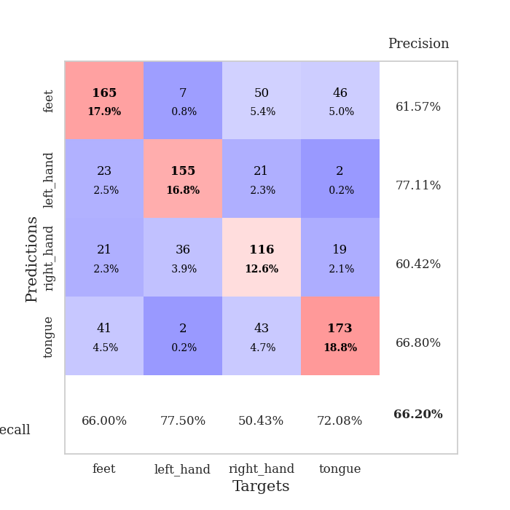
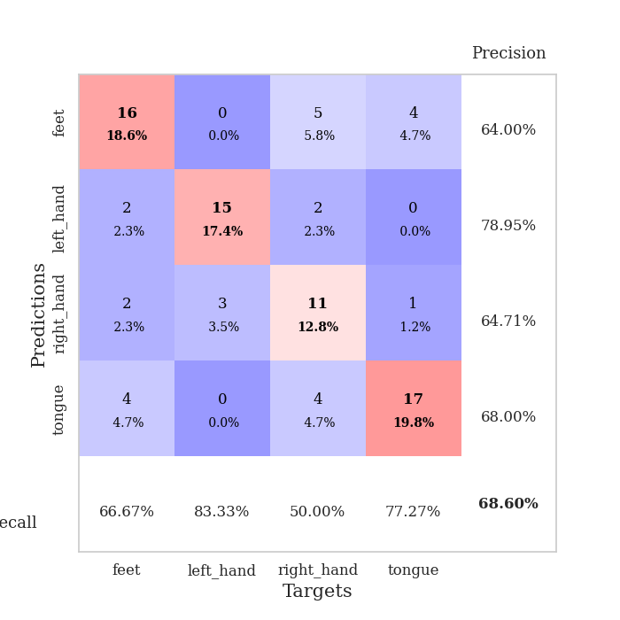
best_val_acc | best_val_los | best_test_acc
0.67391304348 | 0.93204459418 | 0.60344827586
0.64130434783 | 1.1543781498 | 0.51724137931
0.66304347826 | 1.0372183841 | 0.59482758621
0.6847826087 | 0.88216055217 | 0.62068965517
0.72826086957 | 0.93714467598 | 0.69827586207
0.66304347826 | 1.1249884574 | 0.54310344828
0.66304347826 | 0.97643458843 | 0.60344827586
0.57608695652 | 1.3148041964 | 0.50862068966
0.69565217391 | 1.1044626495 | 0.64655172414
0.63043478261 | 1.2355486466 | 0.50862068966

Mean,std Val accuracy is 0.6619565217391303 , 0.040815181207649105 and mean, std test accuracy is 0.5844827586206897 , 0.06384227161838536

Sheet1
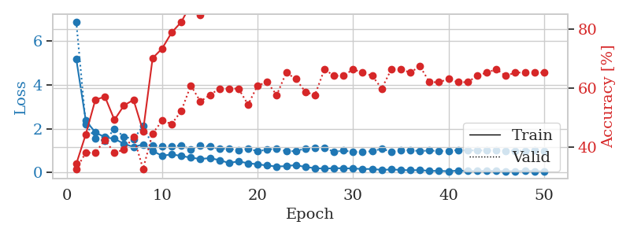
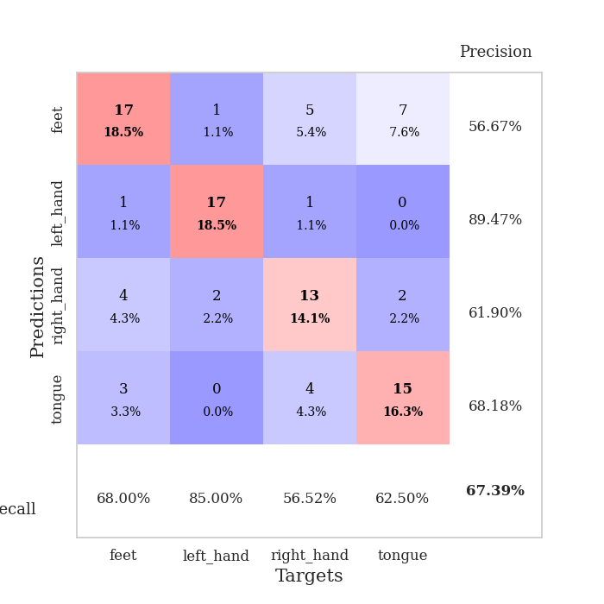
train_loss | valid_loss | train_accuracy | valid_accuracy | dur | train_misclass | valid_misclass
5.1866188568 | 6.8888658233 | 0.34239130435 | 0.32608695652 | 0.10706496239 | 34.239130435 | 32.608695652
2.3698166712 | 2.1862207599 | 0.44293478261 | 0.38043478261 | 0.10776495934 | 44.293478261 | 38.043478261
1.8319665219 | 1.5490586032 | 0.5597826087 | 0.38043478261 | 0.11015152931 | 55.97826087 | 38.043478261
1.6067870855 | 1.4497269081 | 0.57065217391 | 0.42391304348 | 0.10853028297 | 57.065217391 | 42.391304348
1.5388289949 | 1.9820120594 | 0.49184782609 | 0.38043478261 | 0.11140227318 | 49.184782609 | 38.043478261
1.307045496 | 1.6385702258 | 0.54076086957 | 0.39130434783 | 0.10187792778 | 54.076086957 | 39.130434783
1.1649380728 | 1.5163668912 | 0.5597826087 | 0.4347826087 | 0.10457587242 | 55.97826087 | 43.47826087
1.2806386766 | 2.1307690455 | 0.45380434783 | 0.32608695652 | 0.11469888687 | 45.380434783 | 32.608695652
0.98070240539 | 1.2223495349 | 0.70108695652 | 0.44565217391 | 0.10839748383 | 70.108695652 | 44.565217391
0.76195421944 | 1.2079848362 | 0.73369565217 | 0.48913043478 | 0.1098575592 | 73.369565217 | 48.913043478
0.82484072706 | 1.1882716417 | 0.78804347826 | 0.47826086957 | 0.10817575455 | 78.804347826 | 47.826086957
0.75427691703 | 1.2318628093 | 0.82336956522 | 0.52173913043 | 0.11227297783 | 82.336956522 | 52.173913043
0.67370488203 | 1.0564158533 | 0.88315217391 | 0.60869565217 | 0.10584616661 | 88.315217391 | 60.869565217
0.61588878865 | 1.2122551928 | 0.84782608696 | 0.55434782609 | 0.10736441612 | 84.782608696 | 55.434782609
0.6545320529 | 1.1797906627 | 0.875 | 0.57608695652 | 0.10503935814 | 87.5 | 57.608695652
0.56205080903 | 1.0743302729 | 0.90217391304 | 0.59782608696 | 0.10738039017 | 90.217391304 | 59.782608696
0.43207203953 | 1.0875682883 | 0.92934782609 | 0.59782608696 | 0.11442375183 | 92.934782609 | 59.782608696
0.50621444311 | 1.0041253204 | 0.91304347826 | 0.59782608696 | 0.10697078705 | 91.304347826 | 59.782608696
0.41804154023 | 1.0787203156 | 0.86684782609 | 0.54347826087 | 0.1077170372 | 86.684782609 | 54.347826087
0.37552104955 | 0.97435965227 | 0.90489130435 | 0.60869565217 | 0.10560631752 | 90.489130435 | 60.869565217
0.31335472639 | 1.0381592408 | 0.97554347826 | 0.61956521739 | 0.10834145546 | 97.554347826 | 61.956521739
0.2736582837 | 1.0992541831 | 0.9402173913 | 0.57608695652 | 0.10803604126 | 94.02173913 | 57.608695652
0.2862910489 | 0.96429263509 | 0.98369565217 | 0.65217391304 | 0.11454105377 | 98.369565217 | 65.217391304
0.34118796529 | 0.97786390263 | 0.97554347826 | 0.63043478261 | 0.1093916893 | 97.554347826 | 63.043478261
0.24521241693 | 1.0883233392 | 0.9972826087 | 0.58695652174 | 0.10818099976 | 99.72826087 | 58.695652174
0.19847115137 | 1.1153772655 | 0.97826086957 | 0.57608695652 | 0.1009376049 | 97.826086957 | 57.608695652
0.1720246394 | 1.130024034 | 0.99184782609 | 0.66304347826 | 0.099125862122 | 99.184782609 | 66.304347826
0.19732455958 | 0.94111557629 | 0.97826086957 | 0.64130434783 | 0.10638284683 | 97.826086957 | 64.130434783
0.18709237882 | 0.99924167861 | 0.97554347826 | 0.64130434783 | 0.1086602211 | 97.554347826 | 64.130434783
0.18217022604 | 0.93846770473 | 1 | 0.66304347826 | 0.10971856117 | 100 | 66.304347826
0.15550729308 | 0.93204459418 | 0.9972826087 | 0.65217391304 | 0.10860967636 | 99.72826087 | 65.217391304
0.15948546564 | 0.97205368851 | 0.9972826087 | 0.64130434783 | 0.11146378517 | 99.72826087 | 64.130434783
0.11538972596 | 1.077667594 | 1 | 0.59782608696 | 0.10942983627 | 100 | 59.782608696
0.13806821633 | 0.94737341611 | 1 | 0.66304347826 | 0.10868430138 | 100 | 66.304347826
0.11392216943 | 1.0230589898 | 1 | 0.66304347826 | 0.11191678047 | 100 | 66.304347826
0.097131436569 | 1.0123927334 | 1 | 0.65217391304 | 0.10851407051 | 100 | 65.217391304
0.10947854623 | 0.97702785679 | 1 | 0.67391304348 | 0.10854411125 | 100 | 67.391304348
0.068892316164 | 1.0005743037 | 1 | 0.61956521739 | 0.1042907238 | 100 | 61.956521739
0.072334689372 | 0.97605717182 | 1 | 0.61956521739 | 0.10785531998 | 100 | 61.956521739
0.055905683553 | 0.99305527625 | 1 | 0.63043478261 | 0.10441374779 | 100 | 63.043478261
0.082388904675 | 1.0195937209 | 1 | 0.61956521739 | 0.109623909 | 100 | 61.956521739
0.066413546467 | 1.0070812754 | 1 | 0.61956521739 | 0.10725474358 | 100 | 61.956521739
0.064570589092 | 1.0074758374 | 1 | 0.64130434783 | 0.11185145378 | 100 | 64.130434783
0.080227129445 | 1.0038802779 | 1 | 0.65217391304 | 0.1124818325 | 100 | 65.217391304
0.067101703714 | 1.0000141341 | 1 | 0.66304347826 | 0.10939455032 | 100 | 66.304347826
0.057917954684 | 0.98999792597 | 1 | 0.64130434783 | 0.1089091301 | 100 | 64.130434783
0.059390716639 | 0.99192101022 | 1 | 0.65217391304 | 0.10995340347 | 100 | 65.217391304
0.077551870647 | 0.99251309167 | 1 | 0.65217391304 | 0.1052904129 | 100 | 65.217391304
0.060417892735 | 0.99741637188 | 1 | 0.65217391304 | 0.1027162075 | 100 | 65.217391304
0.052277007707 | 0.9913981531 | 1 | 0.65217391304 | 0.11124300957 | 100 | 65.217391304

Best Val accuracy is 0.6739130434782609 and Best test accuracy is 0.603448275862069

Sheet2
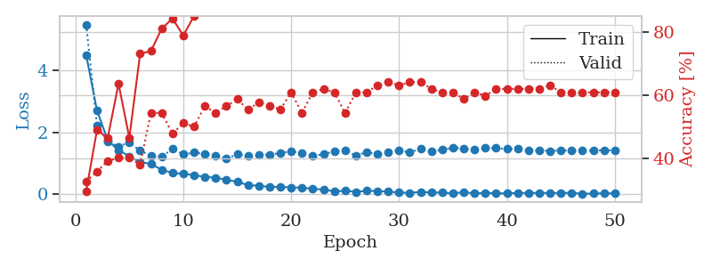

train_loss | valid_loss | train_accuracy | valid_accuracy | dur | train_misclass | valid_misclass
4.5103360104 | 5.4957821058 | 0.29619565217 | 0.32608695652 | 0.10299086571 | 29.619565217 | 32.608695652
2.7201592067 | 2.2348720146 | 0.48913043478 | 0.35869565217 | 0.10609984398 | 48.913043478 | 35.869565217
1.7493084695 | 1.7040445234 | 0.46467391304 | 0.39130434783 | 0.10876059532 | 46.467391304 | 39.130434783
1.4255409966 | 1.5517933887 | 0.63586956522 | 0.40217391304 | 0.10944604874 | 63.586956522 | 40.217391304
1.2364841544 | 1.6852565641 | 0.46467391304 | 0.40217391304 | 0.11315321922 | 46.467391304 | 40.217391304
1.0514743639 | 1.4119130865 | 0.73097826087 | 0.38043478261 | 0.10188865662 | 73.097826087 | 38.043478261
0.98293347981 | 1.2637313527 | 0.73913043478 | 0.54347826087 | 0.10312986374 | 73.913043478 | 54.347826087
0.80051550528 | 1.2188210021 | 0.8097826087 | 0.54347826087 | 0.10810256004 | 80.97826087 | 54.347826087
0.69444749278 | 1.4705400674 | 0.84239130435 | 0.47826086957 | 0.10724830627 | 84.239130435 | 47.826086957
0.66603683389 | 1.2956616101 | 0.78804347826 | 0.51086956522 | 0.110424757 | 78.804347826 | 51.086956522
0.62616250243 | 1.3519413523 | 0.85054347826 | 0.5 | 0.11280941963 | 85.054347826 | 50
0.5646518281 | 1.3122954265 | 0.90217391304 | 0.5652173913 | 0.10885858536 | 90.217391304 | 56.52173913
0.54560149299 | 1.2611323284 | 0.90760869565 | 0.54347826087 | 0.10813546181 | 90.760869565 | 54.347826087
0.47041431685 | 1.1543781498 | 0.94836956522 | 0.5652173913 | 0.11513400078 | 94.836956522 | 56.52173913
0.41214590779 | 1.29764008 | 0.95380434783 | 0.58695652174 | 0.1080467701 | 95.380434783 | 58.695652174
0.30078303231 | 1.2432517072 | 0.97010869565 | 0.55434782609 | 0.11556649208 | 97.010869565 | 55.434782609
0.28137876806 | 1.2888685413 | 0.98369565217 | 0.57608695652 | 0.11019968987 | 98.369565217 | 57.608695652
0.24214171003 | 1.2904073622 | 0.98641304348 | 0.5652173913 | 0.11407518387 | 98.641304348 | 56.52173913
0.24763053154 | 1.3341322774 | 1 | 0.55434782609 | 0.11870503426 | 100 | 55.434782609
0.22416828978 | 1.3975368842 | 0.9972826087 | 0.60869565217 | 0.104429245 | 99.72826087 | 60.869565217
0.22346869986 | 1.3369793166 | 0.9972826087 | 0.54347826087 | 0.10262417793 | 99.72826087 | 54.347826087
0.17792134125 | 1.2547598455 | 0.99456521739 | 0.60869565217 | 0.10452699661 | 99.456521739 | 60.869565217
0.16117208564 | 1.2984980759 | 0.9972826087 | 0.61956521739 | 0.10829401016 | 99.72826087 | 61.956521739
0.096162494596 | 1.3965735073 | 0.9972826087 | 0.60869565217 | 0.10509777069 | 99.72826087 | 60.869565217
0.12187385405 | 1.4095344543 | 1 | 0.54347826087 | 0.11196732521 | 100 | 54.347826087
0.082476868497 | 1.2621152453 | 1 | 0.60869565217 | 0.10240483284 | 100 | 60.869565217
0.11870071089 | 1.3658425601 | 1 | 0.60869565217 | 0.10879731178 | 100 | 60.869565217
0.10800088861 | 1.3001331661 | 0.9972826087 | 0.63043478261 | 0.11638236046 | 99.72826087 | 63.043478261
0.08735934402 | 1.3701261126 | 1 | 0.64130434783 | 0.10974550247 | 100 | 64.130434783
0.064991294933 | 1.422598901 | 1 | 0.63043478261 | 0.11154937744 | 100 | 63.043478261
0.05165539281 | 1.3556851149 | 1 | 0.64130434783 | 0.11083674431 | 100 | 64.130434783
0.082494892079 | 1.4797045252 | 1 | 0.64130434783 | 0.1057446003 | 100 | 64.130434783
0.062444878519 | 1.381950679 | 1 | 0.61956521739 | 0.10511660576 | 100 | 61.956521739
0.060531932496 | 1.4446019193 | 1 | 0.60869565217 | 0.11152338982 | 100 | 60.869565217
0.037996325115 | 1.5064998088 | 1 | 0.60869565217 | 0.1006052494 | 100 | 60.869565217
0.074048702868 | 1.4814892852 | 1 | 0.58695652174 | 0.10930585861 | 100 | 58.695652174
0.032598571143 | 1.4390284704 | 1 | 0.60869565217 | 0.11077451706 | 100 | 60.869565217
0.051804565845 | 1.5040303935 | 1 | 0.59782608696 | 0.1121032238 | 100 | 59.782608696
0.038139130394 | 1.4997290632 | 1 | 0.61956521739 | 0.10886383057 | 100 | 61.956521739
0.034130828637 | 1.4691839944 | 1 | 0.61956521739 | 0.1074719429 | 100 | 61.956521739
0.048531524533 | 1.4784680449 | 1 | 0.61956521739 | 0.10918474197 | 100 | 61.956521739
0.046134334705 | 1.4312711695 | 1 | 0.61956521739 | 0.10230493546 | 100 | 61.956521739
0.051831515202 | 1.4222728791 | 1 | 0.61956521739 | 0.10944485664 | 100 | 61.956521739
0.046713691104 | 1.4066789358 | 1 | 0.63043478261 | 0.11178231239 | 100 | 63.043478261
0.048204680338 | 1.4203575072 | 1 | 0.60869565217 | 0.10383749008 | 100 | 60.869565217
0.052692083196 | 1.4209563525 | 1 | 0.60869565217 | 0.11670970917 | 100 | 60.869565217
0.020951472688 | 1.4137952328 | 1 | 0.60869565217 | 0.11141610146 | 100 | 60.869565217
0.03087677673 | 1.4188212001 | 1 | 0.60869565217 | 0.10862493515 | 100 | 60.869565217
0.037092680861 | 1.4290461022 | 1 | 0.60869565217 | 0.11138796806 | 100 | 60.869565217
0.033028977073 | 1.42020777 | 1 | 0.60869565217 | 0.10664534569 | 100 | 60.869565217

Best Val accuracy is 0.6413043478260869 and Best test accuracy is 0.5172413793103449

Sheet3
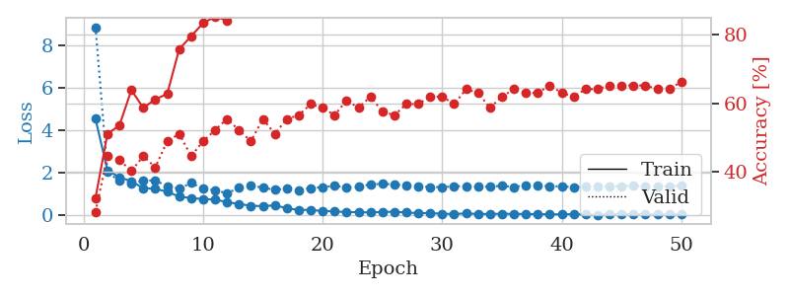
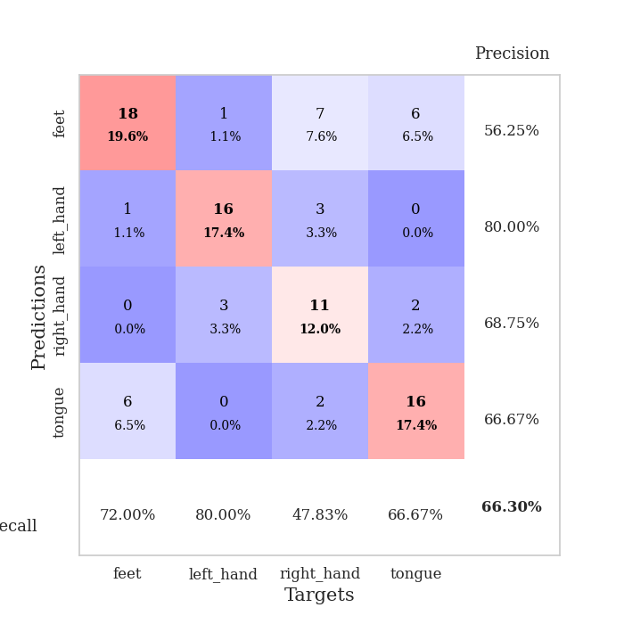
train_loss | valid_loss | train_accuracy | valid_accuracy | dur | train_misclass | valid_misclass
4.5501931958 | 8.8734278472 | 0.32336956522 | 0.28260869565 | 0.10627388954 | 32.336956522 | 28.260869565
2.1117969751 | 2.0365349106 | 0.51086956522 | 0.44565217391 | 0.10340714455 | 51.086956522 | 44.565217391
1.7976149891 | 1.6184274839 | 0.53532608696 | 0.4347826087 | 0.10909938812 | 53.532608696 | 43.47826087
1.5989053612 | 1.5117866734 | 0.63858695652 | 0.40217391304 | 0.11394000053 | 63.858695652 | 40.217391304
1.279509972 | 1.6361826762 | 0.58695652174 | 0.44565217391 | 0.11050462723 | 58.695652174 | 44.565217391
1.2494402528 | 1.6450469494 | 0.61141304348 | 0.41304347826 | 0.1085498333 | 61.141304348 | 41.304347826
1.1094040871 | 1.361737329 | 0.6277173913 | 0.48913043478 | 0.10670733452 | 62.77173913 | 48.913043478
0.87963374283 | 1.2570112736 | 0.75815217391 | 0.51086956522 | 0.1084651947 | 75.815217391 | 51.086956522
0.80984072128 | 1.5194565576 | 0.79619565217 | 0.44565217391 | 0.11168956757 | 79.619565217 | 44.565217391
0.76531119969 | 1.2559746815 | 0.83423913043 | 0.48913043478 | 0.099596977234 | 83.423913043 | 48.913043478
0.74018688694 | 1.1767544073 | 0.85326086957 | 0.52173913043 | 0.10659694672 | 85.326086957 | 52.173913043
0.61756689458 | 1.0372183841 | 0.84239130435 | 0.55434782609 | 0.11064505577 | 84.239130435 | 55.434782609
0.52998181011 | 1.295474436 | 0.89945652174 | 0.52173913043 | 0.11015224457 | 89.945652174 | 52.173913043
0.44646439118 | 1.3903638902 | 0.92391304348 | 0.48913043478 | 0.10843253136 | 92.391304348 | 48.913043478
0.42962758373 | 1.3047554493 | 0.96739130435 | 0.55434782609 | 0.10893797874 | 96.739130435 | 55.434782609
0.46425759792 | 1.2007907266 | 0.95923913043 | 0.51086956522 | 0.11215901375 | 95.923913043 | 51.086956522
0.33429014812 | 1.2546525883 | 0.95652173913 | 0.55434782609 | 0.10753655434 | 95.652173913 | 55.434782609
0.24661853456 | 1.1927706625 | 0.98913043478 | 0.5652173913 | 0.1092376709 | 98.913043478 | 56.52173913
0.25578517726 | 1.2852352184 | 0.98913043478 | 0.59782608696 | 0.10470056534 | 98.913043478 | 59.782608696
0.19069096713 | 1.3242429132 | 1 | 0.58695652174 | 0.10435843468 | 100 | 58.695652174
0.19364297754 | 1.390409594 | 1 | 0.5652173913 | 0.10483646393 | 100 | 56.52173913
0.13450599705 | 1.3116733406 | 0.98913043478 | 0.60869565217 | 0.11038899422 | 98.913043478 | 60.869565217
0.15326458775 | 1.3592932483 | 0.99184782609 | 0.58695652174 | 0.10604500771 | 99.184782609 | 58.695652174
0.12429111309 | 1.4508717164 | 1 | 0.61956521739 | 0.099535226822 | 100 | 61.956521739
0.15816055797 | 1.4827259053 | 1 | 0.57608695652 | 0.10873627663 | 100 | 57.608695652
0.16084860492 | 1.4486648103 | 1 | 0.5652173913 | 0.10724711418 | 100 | 56.52173913
0.12808375304 | 1.4149790328 | 1 | 0.59782608696 | 0.10885643959 | 100 | 59.782608696
0.096636141853 | 1.3722194433 | 1 | 0.59782608696 | 0.10276031494 | 100 | 59.782608696
0.10694507601 | 1.3292894674 | 1 | 0.61956521739 | 0.11267185211 | 100 | 61.956521739
0.064669731114 | 1.3281228905 | 1 | 0.61956521739 | 0.11242580414 | 100 | 61.956521739
0.064788952247 | 1.3619093532 | 1 | 0.59782608696 | 0.10338592529 | 100 | 59.782608696
0.080879327031 | 1.3748907317 | 1 | 0.64130434783 | 0.098522663116 | 100 | 64.130434783
0.062556304119 | 1.3448912164 | 1 | 0.63043478261 | 0.10599923134 | 100 | 63.043478261
0.057104913336 | 1.3517571843 | 1 | 0.58695652174 | 0.10604143143 | 100 | 58.695652174
0.073161457362 | 1.388837493 | 1 | 0.61956521739 | 0.10458803177 | 100 | 61.956521739
0.060120689015 | 1.32783344 | 1 | 0.64130434783 | 0.11291503906 | 100 | 64.130434783
0.061541806886 | 1.4238559008 | 1 | 0.63043478261 | 0.105499506 | 100 | 63.043478261
0.049306863878 | 1.3988223853 | 1 | 0.63043478261 | 0.10533213615 | 100 | 63.043478261
0.046106742533 | 1.3745039857 | 1 | 0.65217391304 | 0.10188150406 | 100 | 65.217391304
0.03993682288 | 1.3600046946 | 1 | 0.63043478261 | 0.099594116211 | 100 | 63.043478261
0.053258835257 | 1.3314391426 | 1 | 0.61956521739 | 0.10583329201 | 100 | 61.956521739
0.034404186512 | 1.3539726786 | 1 | 0.64130434783 | 0.1109161377 | 100 | 64.130434783
0.018622829336 | 1.3453487728 | 1 | 0.64130434783 | 0.10377454758 | 100 | 64.130434783
0.050953575369 | 1.3678427157 | 1 | 0.65217391304 | 0.11234116554 | 100 | 65.217391304
0.040329371134 | 1.37701189 | 1 | 0.65217391304 | 0.10890889168 | 100 | 65.217391304
0.046457224353 | 1.3807152924 | 1 | 0.65217391304 | 0.10848116875 | 100 | 65.217391304
0.041344652216 | 1.3749583649 | 1 | 0.65217391304 | 0.11171865463 | 100 | 65.217391304
0.033109863511 | 1.3676152592 | 1 | 0.64130434783 | 0.10598039627 | 100 | 64.130434783
0.034268330499 | 1.3695296827 | 1 | 0.64130434783 | 0.10404586792 | 100 | 64.130434783
0.037572034979 | 1.3867428458 | 1 | 0.66304347826 | 0.10640454292 | 100 | 66.304347826

Best Val accuracy is 0.6630434782608695 and Best test accuracy is 0.5948275862068966

Sheet4
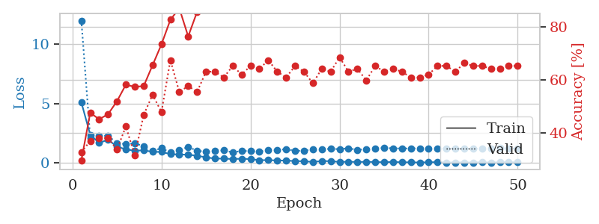
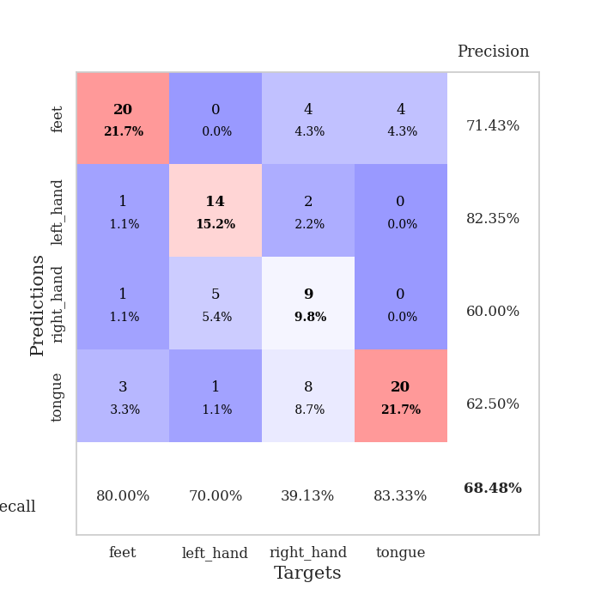
train_loss | valid_loss | train_accuracy | valid_accuracy | dur | train_misclass | valid_misclass
5.109386413 | 12.002810768 | 0.29619565217 | 0.32608695652 | 0.1077311039 | 29.619565217 | 32.608695652
2.3706708887 | 2.1100388299 | 0.47554347826 | 0.36956521739 | 0.1041457653 | 47.554347826 | 36.956521739
1.6864884859 | 2.2862412515 | 0.45108695652 | 0.38043478261 | 0.10426068306 | 45.108695652 | 38.043478261
1.9663669597 | 2.2935347816 | 0.47010869565 | 0.38043478261 | 0.10956215858 | 47.010869565 | 38.043478261
1.3797851283 | 1.6838487957 | 0.51902173913 | 0.33695652174 | 0.10768175125 | 51.902173913 | 33.695652174
1.1476528411 | 1.5896063266 | 0.58152173913 | 0.42391304348 | 0.10464549065 | 58.152173913 | 42.391304348
1.0313652572 | 1.6778326864 | 0.57336956522 | 0.3152173913 | 0.11233592033 | 57.336956522 | 31.52173913
1.0688358286 | 1.394121056 | 0.57608695652 | 0.46739130435 | 0.10722827911 | 57.608695652 | 46.739130435
0.93837869686 | 1.0065473629 | 0.65489130435 | 0.54347826087 | 0.10698771477 | 65.489130435 | 54.347826087
0.92982743875 | 1.2547492592 | 0.73369565217 | 0.47826086957 | 0.11087846756 | 73.369565217 | 47.826086957
0.75063551509 | 0.88216055217 | 0.82608695652 | 0.67391304348 | 0.10895109177 | 82.608695652 | 67.391304348
0.71502960765 | 1.1015490812 | 0.86956521739 | 0.55434782609 | 0.11090874672 | 86.956521739 | 55.434782609
0.6997131485 | 1.3386567105 | 0.76358695652 | 0.57608695652 | 0.10797858238 | 76.358695652 | 57.608695652
0.61229357123 | 1.0405490243 | 0.85597826087 | 0.55434782609 | 0.1099190712 | 85.597826087 | 55.434782609
0.47189335849 | 0.93674359633 | 0.94293478261 | 0.63043478261 | 0.11406135559 | 94.293478261 | 63.043478261
0.37529323282 | 0.99466495929 | 0.95652173913 | 0.63043478261 | 0.10790133476 | 95.652173913 | 63.043478261
0.36584804499 | 1.0567509143 | 0.95108695652 | 0.60869565217 | 0.10351681709 | 95.108695652 | 60.869565217
0.3349079331 | 0.89289297747 | 0.97282608696 | 0.65217391304 | 0.11490535736 | 97.282608696 | 65.217391304
0.35619836268 | 1.0169290097 | 0.94565217391 | 0.61956521739 | 0.1064221859 | 94.565217391 | 61.956521739
0.32664911222 | 0.99828177431 | 0.98097826087 | 0.65217391304 | 0.10835623741 | 98.097826087 | 65.217391304
0.23619705503 | 0.9668787977 | 0.9972826087 | 0.64130434783 | 0.10819959641 | 99.72826087 | 64.130434783
0.23804036074 | 1.0721328155 | 0.9972826087 | 0.67391304348 | 0.10641551018 | 99.72826087 | 67.391304348
0.2149023966 | 1.078244598 | 1 | 0.63043478261 | 0.10673975945 | 100 | 63.043478261
0.20206160617 | 1.1770153512 | 1 | 0.60869565217 | 0.10645604134 | 100 | 60.869565217
0.16074631914 | 1.0130860909 | 0.9972826087 | 0.65217391304 | 0.1050362587 | 99.72826087 | 65.217391304
0.14707986719 | 1.0465390838 | 1 | 0.63043478261 | 0.11256623268 | 100 | 63.043478261
0.090096664655 | 1.142509844 | 1 | 0.58695652174 | 0.1084227562 | 100 | 58.695652174
0.16324023121 | 1.1441768252 | 1 | 0.64130434783 | 0.11167025566 | 100 | 64.130434783
0.15283497293 | 1.1969518143 | 1 | 0.63043478261 | 0.10836291313 | 100 | 63.043478261
0.089831474764 | 1.1655317234 | 1 | 0.6847826087 | 0.10741949081 | 100 | 68.47826087
0.10655279692 | 1.2381068416 | 1 | 0.63043478261 | 0.10897493362 | 100 | 63.043478261
0.083232728481 | 1.109414365 | 1 | 0.64130434783 | 0.1122546196 | 100 | 64.130434783
0.10086489613 | 1.1565854446 | 1 | 0.59782608696 | 0.10051727295 | 100 | 59.782608696
0.083035243088 | 1.2119090142 | 1 | 0.65217391304 | 0.10896921158 | 100 | 65.217391304
0.060799173444 | 1.2651535532 | 1 | 0.63043478261 | 0.10927391052 | 100 | 63.043478261
0.089678011794 | 1.2404855542 | 1 | 0.64130434783 | 0.10971570015 | 100 | 64.130434783
0.058141510286 | 1.2183334724 | 1 | 0.63043478261 | 0.10937809944 | 100 | 63.043478261
0.056176375011 | 1.2318083825 | 1 | 0.60869565217 | 0.11252427101 | 100 | 60.869565217
0.039990144923 | 1.2222584486 | 1 | 0.60869565217 | 0.10834646225 | 100 | 60.869565217
0.058526052445 | 1.2168730757 | 1 | 0.61956521739 | 0.10605692863 | 100 | 61.956521739
0.074254110901 | 1.1979021093 | 1 | 0.65217391304 | 0.10965061188 | 100 | 65.217391304
0.039610088681 | 1.2077276603 | 1 | 0.65217391304 | 0.10856556892 | 100 | 65.217391304
0.048003998342 | 1.228346835 | 1 | 0.63043478261 | 0.10888886452 | 100 | 63.043478261
0.043201722772 | 1.1997707512 | 1 | 0.66304347826 | 0.10798668861 | 100 | 66.304347826
0.042829799749 | 1.2210683512 | 1 | 0.65217391304 | 0.10981225967 | 100 | 65.217391304
0.065846802707 | 1.2039289112 | 1 | 0.65217391304 | 0.11313343048 | 100 | 65.217391304
0.033575944785 | 1.20281036 | 1 | 0.64130434783 | 0.10659766197 | 100 | 64.130434783
0.062116423521 | 1.2473238655 | 1 | 0.64130434783 | 0.11063551903 | 100 | 64.130434783
0.064494333959 | 1.2253650064 | 1 | 0.65217391304 | 0.10713291168 | 100 | 65.217391304
0.054197478635 | 1.2149489444 | 1 | 0.65217391304 | 0.10682630539 | 100 | 65.217391304

Best Val accuracy is 0.6847826086956522 and Best test accuracy is 0.6206896551724138

Sheet5
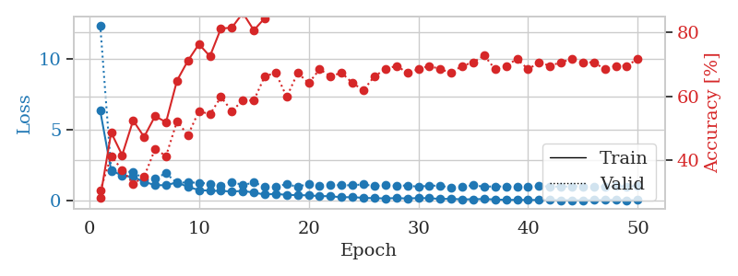
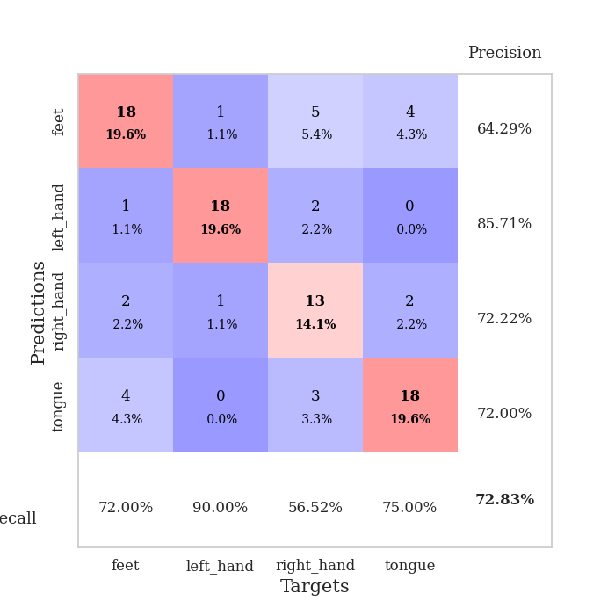
train_loss | valid_loss | train_accuracy | valid_accuracy | dur | train_misclass | valid_misclass
6.3582491875 | 12.39721095 | 0.28260869565 | 0.30434782609 | 0.10290408134 | 28.260869565 | 30.434782609
2.132010377 | 2.1730622571 | 0.48641304348 | 0.41304347826 | 0.11733222008 | 48.641304348 | 41.304347826
1.8036018377 | 2.047721303 | 0.41576086957 | 0.36956521739 | 0.10885238647 | 41.576086957 | 36.956521739
1.6787396799 | 2.0558125506 | 0.52445652174 | 0.32608695652 | 0.10950446129 | 52.445652174 | 32.608695652
1.3484270288 | 1.5340384141 | 0.47282608696 | 0.34782608696 | 0.10419774055 | 47.282608696 | 34.782608696
1.1100575846 | 1.6024947788 | 0.53804347826 | 0.4347826087 | 0.10709261894 | 53.804347826 | 43.47826087
1.1031638202 | 1.9416380706 | 0.51902173913 | 0.41304347826 | 0.10445070267 | 51.902173913 | 41.304347826
1.3102103964 | 1.2612263327 | 0.64945652174 | 0.52173913043 | 0.11170959473 | 64.945652174 | 52.173913043
0.98307622256 | 1.3172894924 | 0.71195652174 | 0.47826086957 | 0.10254597664 | 71.195652174 | 47.826086957
0.76643064489 | 1.2688746763 | 0.76358695652 | 0.55434782609 | 0.10148954391 | 76.358695652 | 55.434782609
0.71419478111 | 1.2208609581 | 0.72554347826 | 0.54347826087 | 0.10558462143 | 72.554347826 | 54.347826087
0.70405964942 | 1.0836828481 | 0.8125 | 0.59782608696 | 0.099106311798 | 81.25 | 59.782608696
0.6629219729 | 1.3345994327 | 0.8152173913 | 0.55434782609 | 0.10248064995 | 81.52173913 | 55.434782609
0.70225618326 | 1.1182192253 | 0.86141304348 | 0.58695652174 | 0.098058462143 | 86.141304348 | 58.695652174
0.58697435389 | 1.291066828 | 0.80706521739 | 0.58695652174 | 0.10970473289 | 80.706521739 | 58.695652174
0.44536849532 | 1.0220881234 | 0.84510869565 | 0.66304347826 | 0.10548067093 | 84.510869565 | 66.304347826
0.49993988548 | 0.99164427882 | 0.89402173913 | 0.67391304348 | 0.10260462761 | 89.402173913 | 67.391304348
0.41766710515 | 1.1862768375 | 0.89673913043 | 0.59782608696 | 0.1082804203 | 89.673913043 | 59.782608696
0.41038733624 | 0.9853198321 | 0.90489130435 | 0.67391304348 | 0.1054956913 | 90.489130435 | 67.391304348
0.38610202528 | 1.2131454945 | 0.90217391304 | 0.64130434783 | 0.10215306282 | 90.217391304 | 64.130434783
0.33882968873 | 1.089400307 | 0.96195652174 | 0.6847826087 | 0.098276853561 | 96.195652174 | 68.47826087
0.32914216849 | 1.1262723207 | 0.98913043478 | 0.66304347826 | 0.10560941696 | 98.913043478 | 66.304347826
0.2517310517 | 1.1001839845 | 0.99184782609 | 0.67391304348 | 0.1058652401 | 99.184782609 | 67.391304348
0.26717095749 | 1.1043769328 | 0.96195652174 | 0.64130434783 | 0.10647153854 | 96.195652174 | 64.130434783
0.21020317515 | 1.1626404057 | 0.98369565217 | 0.61956521739 | 0.1027264595 | 98.369565217 | 61.956521739
0.19129256418 | 1.0486535974 | 0.98097826087 | 0.66304347826 | 0.10968446732 | 98.097826087 | 66.304347826
0.17438515843 | 1.1049988166 | 0.98913043478 | 0.6847826087 | 0.10855174065 | 98.913043478 | 68.47826087
0.19805078702 | 1.0658827009 | 0.98913043478 | 0.69565217391 | 0.10719752312 | 98.913043478 | 69.565217391
0.1686479868 | 1.0846908896 | 1 | 0.67391304348 | 0.10913228989 | 100 | 67.391304348
0.19982170172 | 0.9923934781 | 0.99184782609 | 0.6847826087 | 0.10357022285 | 99.184782609 | 68.47826087
0.18890437638 | 1.0813545066 | 0.98097826087 | 0.69565217391 | 0.10530900955 | 98.097826087 | 69.565217391
0.13591341496 | 1.0629548301 | 1 | 0.6847826087 | 0.10937166214 | 100 | 68.47826087
0.14712196813 | 0.93714467598 | 0.9972826087 | 0.67391304348 | 0.1033821106 | 99.72826087 | 67.391304348
0.10470097949 | 1.0027529623 | 1 | 0.69565217391 | 0.11358499527 | 100 | 69.565217391
0.11891123312 | 1.1036192956 | 1 | 0.70652173913 | 0.10214185715 | 100 | 70.652173913
0.12965465527 | 1.001301426 | 1 | 0.72826086957 | 0.10637044907 | 100 | 72.826086957
0.099874641625 | 1.0239144486 | 1 | 0.6847826087 | 0.10401082039 | 100 | 68.47826087
0.071021935336 | 1.0161893264 | 1 | 0.69565217391 | 0.11147904396 | 100 | 69.565217391
0.071749956266 | 1.0169261487 | 1 | 0.71739130435 | 0.10828351974 | 100 | 71.739130435
0.06442134876 | 1.0160236385 | 1 | 0.6847826087 | 0.1084291935 | 100 | 68.47826087
0.064010972684 | 1.0384947347 | 1 | 0.70652173913 | 0.11002063751 | 100 | 70.652173913
0.068529701913 | 1.0144296729 | 1 | 0.69565217391 | 0.1020834446 | 100 | 69.565217391
0.047694234339 | 1.0003760146 | 1 | 0.70652173913 | 0.10809326172 | 100 | 70.652173913
0.052417086356 | 1.0281215777 | 1 | 0.71739130435 | 0.10526585579 | 100 | 71.739130435
0.038880843224 | 1.0282144184 | 1 | 0.70652173913 | 0.099212408066 | 100 | 70.652173913
0.06168983573 | 1.0282499376 | 1 | 0.70652173913 | 0.11242175102 | 100 | 70.652173913
0.066095712028 | 1.0169542225 | 1 | 0.6847826087 | 0.1060359478 | 100 | 68.47826087
0.080229522114 | 1.0306849972 | 1 | 0.69565217391 | 0.1016638279 | 100 | 69.565217391
0.043137320479 | 1.027681742 | 1 | 0.69565217391 | 0.10176682472 | 100 | 69.565217391
0.059592931531 | 1.0428827068 | 1 | 0.71739130435 | 0.10489749908 | 100 | 71.739130435

Best Val accuracy is 0.7282608695652174 and Best test accuracy is 0.6982758620689655

Sheet6
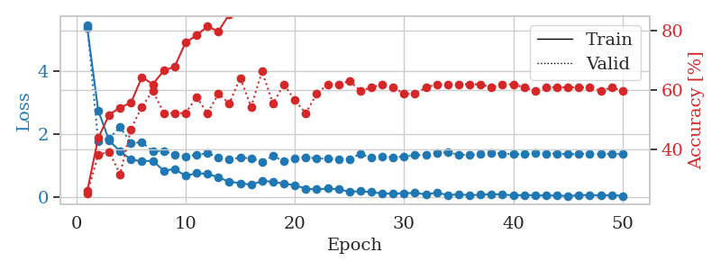
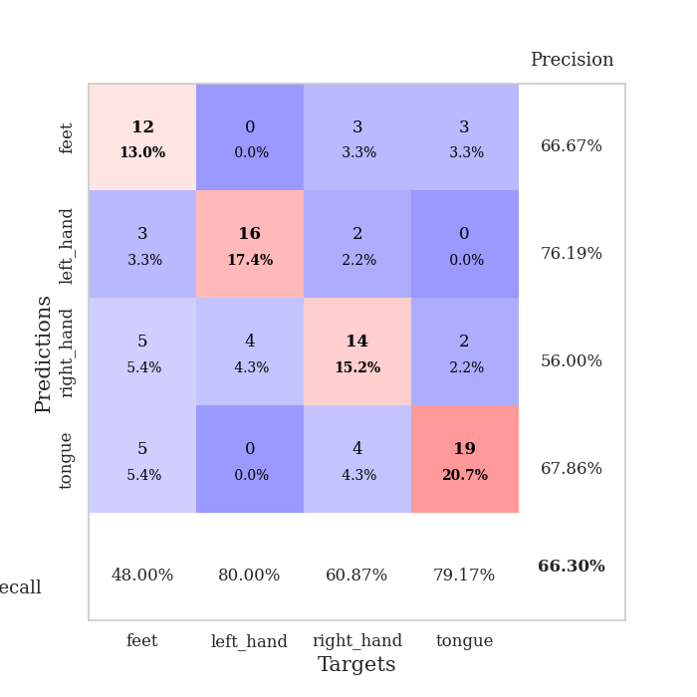
train_loss | valid_loss | train_accuracy | valid_accuracy | dur | train_misclass | valid_misclass
5.3681768023 | 5.4701610026 | 0.25815217391 | 0.25 | 0.10434055328 | 25.815217391 | 25
2.7541432122 | 1.7605001045 | 0.4375 | 0.38043478261 | 0.10458731651 | 43.75 | 38.043478261
1.7981578293 | 1.8634514653 | 0.51630434783 | 0.39130434783 | 0.11252045631 | 51.630434783 | 39.130434783
1.4538936459 | 2.220106809 | 0.54076086957 | 0.3152173913 | 0.11324071884 | 54.076086957 | 31.52173913
1.1915407958 | 1.7185254097 | 0.55706521739 | 0.46739130435 | 0.10582399368 | 55.706521739 | 46.739130435
1.1385260406 | 1.7400646935 | 0.64402173913 | 0.54347826087 | 0.10477542877 | 64.402173913 | 54.347826087
1.1570648149 | 1.4540980277 | 0.61956521739 | 0.59782608696 | 0.1049849987 | 61.956521739 | 59.782608696
0.83735854729 | 1.4701045907 | 0.66576086957 | 0.52173913043 | 0.10697388649 | 66.576086957 | 52.173913043
0.89136694177 | 1.3343006735 | 0.67934782609 | 0.52173913043 | 0.10954809189 | 67.934782609 | 52.173913043
0.67397008577 | 1.2947237906 | 0.76086956522 | 0.52173913043 | 0.10707592964 | 76.086956522 | 52.173913043
0.75880589174 | 1.3397448581 | 0.78532608696 | 0.57608695652 | 0.10255217552 | 78.532608696 | 57.608695652
0.7420441301 | 1.3982484652 | 0.8152173913 | 0.52173913043 | 0.10829019547 | 81.52173913 | 52.173913043
0.62434539717 | 1.2593919039 | 0.79891304348 | 0.58695652174 | 0.10643553734 | 79.891304348 | 58.695652174
0.49242862476 | 1.2044383806 | 0.85597826087 | 0.55434782609 | 0.10590982437 | 85.597826087 | 55.434782609
0.44205407993 | 1.2483150544 | 0.88858695652 | 0.64130434783 | 0.10864567757 | 88.858695652 | 64.130434783
0.3927676749 | 1.2408768509 | 0.90217391304 | 0.54347826087 | 0.10803079605 | 90.217391304 | 54.347826087
0.50763589176 | 1.1249884574 | 0.91847826087 | 0.66304347826 | 0.10966777802 | 91.847826087 | 66.304347826
0.49434163583 | 1.3033141209 | 0.88858695652 | 0.55434782609 | 0.11067509651 | 88.858695652 | 55.434782609
0.4202159708 | 1.140828029 | 0.91576086957 | 0.61956521739 | 0.11609983444 | 91.576086957 | 61.956521739
0.38375671921 | 1.2293546925 | 0.97282608696 | 0.5652173913 | 0.11105728149 | 97.282608696 | 56.52173913
0.26475112011 | 1.2695162089 | 0.92391304348 | 0.52173913043 | 0.1070561409 | 92.391304348 | 52.173913043
0.24450331959 | 1.2302752059 | 0.98641304348 | 0.58695652174 | 0.10932087898 | 98.641304348 | 58.695652174
0.27223080461 | 1.2221795217 | 0.98369565217 | 0.61956521739 | 0.10713887215 | 98.369565217 | 61.956521739
0.24841897999 | 1.2082986832 | 0.98369565217 | 0.61956521739 | 0.10398101807 | 98.369565217 | 61.956521739
0.17048779851 | 1.2085568957 | 0.97554347826 | 0.63043478261 | 0.10374760628 | 97.554347826 | 63.043478261
0.18669080621 | 1.3738668587 | 0.99456521739 | 0.59782608696 | 0.10894560814 | 99.456521739 | 59.782608696
0.16139073629 | 1.2444039842 | 0.9972826087 | 0.60869565217 | 0.11017608643 | 99.72826087 | 60.869565217
0.11680188718 | 1.2897866809 | 0.98641304348 | 0.61956521739 | 0.10897183418 | 98.641304348 | 61.956521739
0.1079381844 | 1.2683798075 | 1 | 0.60869565217 | 0.1112267971 | 100 | 60.869565217
0.12466801221 | 1.2845584672 | 1 | 0.58695652174 | 0.1029946804 | 100 | 58.695652174
0.13368781053 | 1.3332696946 | 1 | 0.58695652174 | 0.10931158066 | 100 | 58.695652174
0.086586630782 | 1.3371098819 | 1 | 0.60869565217 | 0.10709404945 | 100 | 60.869565217
0.14227029827 | 1.388489065 | 1 | 0.61956521739 | 0.10781669617 | 100 | 61.956521739
0.066468945785 | 1.4225922927 | 1 | 0.61956521739 | 0.10385465622 | 100 | 61.956521739
0.083915139022 | 1.3447570127 | 1 | 0.61956521739 | 0.11193370819 | 100 | 61.956521739
0.061736689557 | 1.3374853341 | 1 | 0.61956521739 | 0.10877299309 | 100 | 61.956521739
0.073172791031 | 1.3713544348 | 1 | 0.61956521739 | 0.10566401482 | 100 | 61.956521739
0.092206270636 | 1.4025034283 | 1 | 0.60869565217 | 0.10695576668 | 100 | 60.869565217
0.083591409959 | 1.3839752208 | 1 | 0.61956521739 | 0.10838985443 | 100 | 61.956521739
0.054775812623 | 1.3655176474 | 1 | 0.61956521739 | 0.10805988312 | 100 | 61.956521739
0.063336570393 | 1.3617022089 | 1 | 0.60869565217 | 0.10397601128 | 100 | 60.869565217
0.05946161434 | 1.3863849899 | 1 | 0.59782608696 | 0.11532998085 | 100 | 59.782608696
0.047066543656 | 1.3835023693 | 1 | 0.60869565217 | 0.108543396 | 100 | 60.869565217
0.054103468707 | 1.378152215 | 1 | 0.60869565217 | 0.10815668106 | 100 | 60.869565217
0.036544838191 | 1.3617839139 | 1 | 0.60869565217 | 0.10482692719 | 100 | 60.869565217
0.056414267858 | 1.3701514317 | 1 | 0.60869565217 | 0.11296606064 | 100 | 60.869565217
0.070393891884 | 1.3713378025 | 1 | 0.60869565217 | 0.10977005959 | 100 | 60.869565217
0.046519041952 | 1.3708803965 | 1 | 0.59782608696 | 0.10826253891 | 100 | 59.782608696
0.064160318418 | 1.3714297854 | 1 | 0.60869565217 | 0.11348152161 | 100 | 60.869565217
0.041356722338 | 1.3632285543 | 1 | 0.59782608696 | 0.1046860218 | 100 | 59.782608696

Best Val accuracy is 0.6630434782608695 and Best test accuracy is 0.5431034482758621

Sheet7
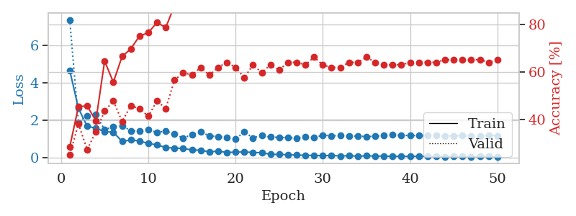
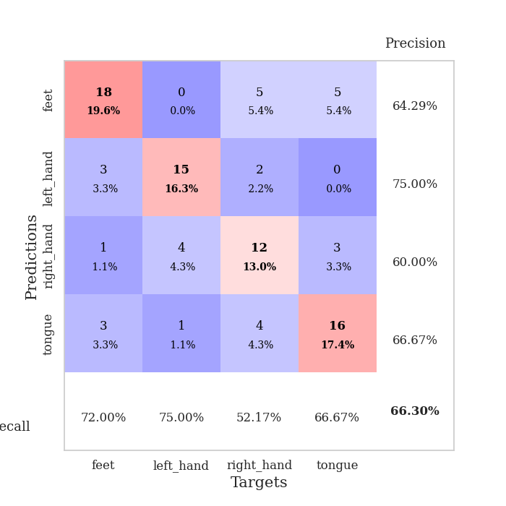
train_loss | valid_loss | train_accuracy | valid_accuracy | dur | train_misclass | valid_misclass
4.6609635146 | 7.3530967547 | 0.28260869565 | 0.25 | 0.1135020256 | 28.260869565 | 25
2.6246761446 | 1.8834502852 | 0.45380434783 | 0.38043478261 | 0.10146307945 | 45.380434783 | 38.043478261
1.6701434695 | 2.2216033936 | 0.45652173913 | 0.27173913043 | 0.11314511299 | 45.652173913 | 27.173913043
1.5641439013 | 2.2935227 | 0.39402173913 | 0.34782608696 | 0.10596585274 | 39.402173913 | 34.782608696
1.3803130285 | 1.486704759 | 0.64673913043 | 0.4347826087 | 0.10259437561 | 64.673913043 | 43.47826087
1.3453981138 | 1.6423342176 | 0.55706521739 | 0.47826086957 | 0.10015892982 | 55.706521739 | 47.826086957
0.86035626349 | 1.6962161842 | 0.66576086957 | 0.39130434783 | 0.10628890991 | 66.576086957 | 39.130434783
0.93136736103 | 1.429161051 | 0.69836956522 | 0.45652173913 | 0.10925745964 | 69.836956522 | 45.652173913
0.88297434475 | 1.417370252 | 0.7527173913 | 0.44565217391 | 0.1077849865 | 75.27173913 | 44.565217391
0.74603474918 | 1.5063198494 | 0.76630434783 | 0.41304347826 | 0.10814261436 | 76.630434783 | 41.304347826
0.67340352354 | 1.3225002289 | 0.8097826087 | 0.47826086957 | 0.11135172844 | 80.97826087 | 47.826086957
0.52902840402 | 1.4274468992 | 0.78804347826 | 0.44565217391 | 0.10658550262 | 78.804347826 | 44.565217391
0.50209370709 | 1.2451950053 | 0.88043478261 | 0.5652173913 | 0.1083240509 | 88.043478261 | 56.52173913
0.48330016758 | 1.0403067288 | 0.91847826087 | 0.59782608696 | 0.11057972908 | 91.847826087 | 59.782608696
0.40031595399 | 1.2135920317 | 0.95380434783 | 0.58695652174 | 0.10776567459 | 95.380434783 | 58.695652174
0.38831461642 | 1.3668341429 | 0.89945652174 | 0.61956521739 | 0.11185002327 | 89.945652174 | 61.956521739
0.2964826385 | 1.1557368092 | 0.96195652174 | 0.58695652174 | 0.1172785759 | 96.195652174 | 58.695652174
0.33957185823 | 1.1126122371 | 0.97826086957 | 0.61956521739 | 0.1056125164 | 97.826086957 | 61.956521739
0.27091000699 | 1.0692095342 | 0.97282608696 | 0.64130434783 | 0.10952758789 | 97.282608696 | 64.130434783
0.28252346619 | 0.97643458843 | 0.97282608696 | 0.61956521739 | 0.10940384865 | 97.282608696 | 61.956521739
0.29685734277 | 1.3709360828 | 0.97826086957 | 0.57608695652 | 0.10986089706 | 97.826086957 | 57.608695652
0.26835646683 | 1.0426606406 | 0.9972826087 | 0.63043478261 | 0.10993170738 | 99.72826087 | 63.043478261
0.25378086742 | 1.1745638847 | 0.98913043478 | 0.59782608696 | 0.10730600357 | 98.913043478 | 59.782608696
0.16944132259 | 1.089848876 | 0.9972826087 | 0.63043478261 | 0.10690522194 | 99.72826087 | 63.043478261
0.16180702898 | 1.0731565071 | 0.99184782609 | 0.60869565217 | 0.10609340668 | 99.184782609 | 60.869565217
0.14677398202 | 1.0576404748 | 0.99184782609 | 0.64130434783 | 0.10747814178 | 99.184782609 | 64.130434783
0.12891870794 | 1.0455211349 | 0.99456521739 | 0.64130434783 | 0.10034632683 | 99.456521739 | 64.130434783
0.11665206937 | 1.0999629601 | 0.9972826087 | 0.63043478261 | 0.099156856537 | 99.72826087 | 63.043478261
0.10660745455 | 1.0555062449 | 1 | 0.66304347826 | 0.10242247581 | 100 | 66.304347826
0.093964851907 | 1.1938732292 | 1 | 0.63043478261 | 0.10349655151 | 100 | 63.043478261
0.10900361277 | 1.1579982923 | 1 | 0.61956521739 | 0.10695266724 | 100 | 61.956521739
0.078549755049 | 1.1729976664 | 1 | 0.61956521739 | 0.1146671772 | 100 | 61.956521739
0.094000380365 | 1.1294222034 | 1 | 0.64130434783 | 0.10771942139 | 100 | 64.130434783
0.069626991961 | 1.1402072285 | 0.9972826087 | 0.64130434783 | 0.10361623764 | 99.72826087 | 64.130434783
0.085948059234 | 1.1167103622 | 1 | 0.66304347826 | 0.10933876038 | 100 | 66.304347826
0.075220074424 | 1.1271885841 | 1 | 0.64130434783 | 0.11449551582 | 100 | 64.130434783
0.073139483858 | 1.1782780212 | 1 | 0.63043478261 | 0.10977244377 | 100 | 63.043478261
0.060461356871 | 1.2071746432 | 1 | 0.63043478261 | 0.11040472984 | 100 | 63.043478261
0.058971306451 | 1.1830617034 | 1 | 0.63043478261 | 0.10904502869 | 100 | 63.043478261
0.05550202865 | 1.1758306908 | 1 | 0.64130434783 | 0.10829138756 | 100 | 64.130434783
0.064660445139 | 1.166378949 | 1 | 0.64130434783 | 0.10839223862 | 100 | 64.130434783
0.056733909549 | 1.1671146103 | 1 | 0.64130434783 | 0.11433529854 | 100 | 64.130434783
0.047168269298 | 1.1649426844 | 1 | 0.64130434783 | 0.11038136482 | 100 | 64.130434783
0.045173952731 | 1.147446394 | 1 | 0.65217391304 | 0.10589790344 | 100 | 65.217391304
0.058350119537 | 1.1614797219 | 1 | 0.65217391304 | 0.11637783051 | 100 | 65.217391304
0.049279869919 | 1.1642588014 | 1 | 0.65217391304 | 0.11183810234 | 100 | 65.217391304
0.03714066841 | 1.158380581 | 1 | 0.65217391304 | 0.10855412483 | 100 | 65.217391304
0.055456668705 | 1.160187177 | 1 | 0.65217391304 | 0.11039066315 | 100 | 65.217391304
0.059760424916 | 1.1764688336 | 1 | 0.64130434783 | 0.10338139534 | 100 | 64.130434783
0.037374428615 | 1.1613806486 | 1 | 0.65217391304 | 0.10772919655 | 100 | 65.217391304

Best Val accuracy is 0.6630434782608695 and Best test accuracy is 0.603448275862069

Sheet8
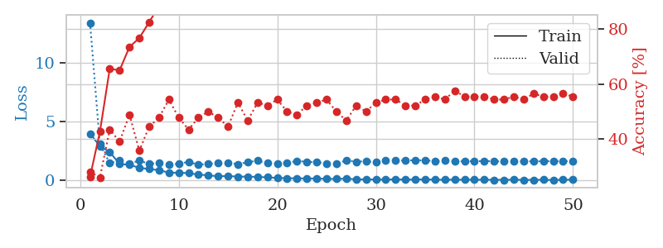
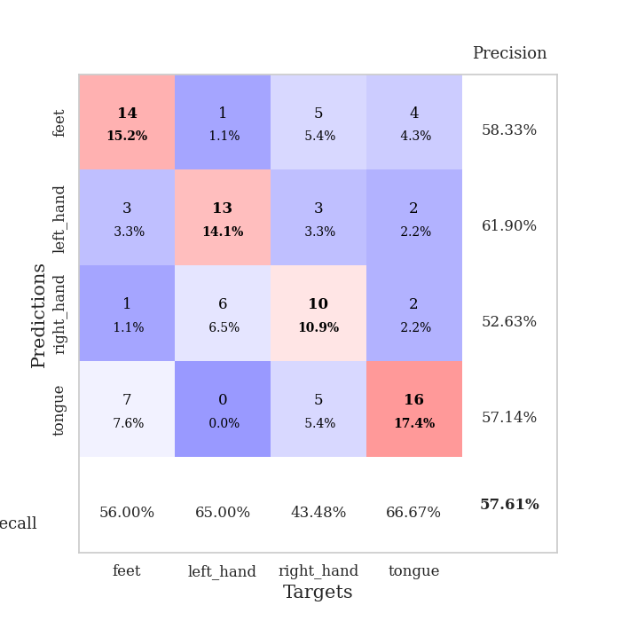
train_loss | valid_loss | train_accuracy | valid_accuracy | dur | train_misclass | valid_misclass
3.964846072 | 13.419843757 | 0.26358695652 | 0.28260869565 | 0.10550785065 | 26.358695652 | 28.260869565
2.9094949339 | 3.068073905 | 0.42663043478 | 0.26086956522 | 0.10127472878 | 42.663043478 | 26.086956522
2.4036265974 | 1.4577894522 | 0.65489130435 | 0.4347826087 | 0.10035610199 | 65.489130435 | 43.47826087
1.385378283 | 1.6618982243 | 0.64945652174 | 0.39130434783 | 0.1124162674 | 64.945652174 | 39.130434783
1.3162865561 | 1.4329789203 | 0.73369565217 | 0.48913043478 | 0.10922861099 | 73.369565217 | 48.913043478
1.0602218988 | 1.6617861831 | 0.76630434783 | 0.35869565217 | 0.10742807388 | 76.630434783 | 35.869565217
0.95467182346 | 1.4067946828 | 0.82336956522 | 0.44565217391 | 0.10697722435 | 82.336956522 | 44.565217391
0.85421866956 | 1.4705185476 | 0.88315217391 | 0.47826086957 | 0.10906839371 | 88.315217391 | 47.826086957
0.65443534696 | 1.3481519067 | 0.91576086957 | 0.54347826087 | 0.10407018661 | 91.576086957 | 54.347826087
0.63404509555 | 1.3988962588 | 0.91576086957 | 0.47826086957 | 0.10934448242 | 91.576086957 | 47.826086957
0.60842990033 | 1.5701922126 | 0.94293478261 | 0.4347826087 | 0.11010718346 | 94.293478261 | 43.47826087
0.47772753887 | 1.3148041964 | 0.97010869565 | 0.47826086957 | 0.1160774231 | 97.010869565 | 47.826086957
0.42472575313 | 1.4016512529 | 0.97010869565 | 0.5 | 0.10376214981 | 97.010869565 | 50
0.33358534393 | 1.4545254966 | 0.98369565217 | 0.47826086957 | 0.1136868 | 98.369565217 | 47.826086957
0.3626903979 | 1.5045686183 | 0.99184782609 | 0.44565217391 | 0.11197948456 | 99.184782609 | 44.565217391
0.30233472521 | 1.3675640977 | 0.98913043478 | 0.53260869565 | 0.107183218 | 98.913043478 | 53.260869565
0.31479921305 | 1.5388579109 | 0.99184782609 | 0.46739130435 | 0.11106085777 | 99.184782609 | 46.739130435
0.27966275196 | 1.6654747984 | 0.99456521739 | 0.53260869565 | 0.104991436 | 99.456521739 | 53.260869565
0.24937856618 | 1.4564560807 | 0.98641304348 | 0.52173913043 | 0.10654592514 | 98.641304348 | 52.173913043
0.1971906017 | 1.398486863 | 0.99184782609 | 0.54347826087 | 0.10895848274 | 99.184782609 | 54.347826087
0.17548070597 | 1.4885866487 | 1 | 0.5 | 0.10974884033 | 100 | 50
0.16134073601 | 1.6417728092 | 1 | 0.48913043478 | 0.11035108566 | 100 | 48.913043478
0.14705524464 | 1.5737654593 | 1 | 0.52173913043 | 0.10096979141 | 100 | 52.173913043
0.14855489734 | 1.5325013606 | 1 | 0.53260869565 | 0.12121558189 | 100 | 53.260869565
0.11801442872 | 1.441684272 | 1 | 0.54347826087 | 0.10320734978 | 100 | 54.347826087
0.11237475373 | 1.4099449749 | 1 | 0.5 | 0.10206723213 | 100 | 50
0.13922227709 | 1.6843656094 | 1 | 0.46739130435 | 0.11194252968 | 100 | 46.739130435
0.080647869967 | 1.5795905124 | 1 | 0.52173913043 | 0.10768270493 | 100 | 52.173913043
0.072906480272 | 1.6223766234 | 1 | 0.5 | 0.106580019 | 100 | 50
0.06245491354 | 1.5382124497 | 1 | 0.53260869565 | 0.10963392258 | 100 | 53.260869565
0.066678263571 | 1.6597624914 | 1 | 0.54347826087 | 0.099808692932 | 100 | 54.347826087
0.070278895938 | 1.6823813812 | 1 | 0.54347826087 | 0.10799193382 | 100 | 54.347826087
0.05864905654 | 1.6890823375 | 1 | 0.52173913043 | 0.10437846184 | 100 | 52.173913043
0.061118037683 | 1.6985262529 | 1 | 0.52173913043 | 0.10533046722 | 100 | 52.173913043
0.074392023294 | 1.694809556 | 1 | 0.54347826087 | 0.11206841469 | 100 | 54.347826087
0.047621560566 | 1.628628171 | 1 | 0.55434782609 | 0.11728000641 | 100 | 55.434782609
0.044975806878 | 1.6589610628 | 1 | 0.54347826087 | 0.10004687309 | 100 | 54.347826087
0.050737663456 | 1.6076447238 | 1 | 0.57608695652 | 0.10927462578 | 100 | 57.608695652
0.050108532543 | 1.6164612822 | 1 | 0.55434782609 | 0.10610842705 | 100 | 55.434782609
0.045104990855 | 1.6230391575 | 1 | 0.55434782609 | 0.10715007782 | 100 | 55.434782609
0.043323949263 | 1.6328059642 | 1 | 0.55434782609 | 0.11005926132 | 100 | 55.434782609
0.037510903167 | 1.6255307664 | 1 | 0.54347826087 | 0.10148119926 | 100 | 54.347826087
0.036288278987 | 1.6018867078 | 1 | 0.54347826087 | 0.10482668877 | 100 | 54.347826087
0.043586589376 | 1.6034923844 | 1 | 0.55434782609 | 0.10719513893 | 100 | 55.434782609
0.030715997928 | 1.6093432437 | 1 | 0.54347826087 | 0.10181498528 | 100 | 54.347826087
0.034269649596 | 1.6176937611 | 1 | 0.5652173913 | 0.10165691376 | 100 | 56.52173913
0.038419091021 | 1.6191948549 | 1 | 0.55434782609 | 0.10961842537 | 100 | 55.434782609
0.020852612028 | 1.6272464369 | 1 | 0.55434782609 | 0.11483955383 | 100 | 55.434782609
0.043916274237 | 1.6145834508 | 1 | 0.5652173913 | 0.10178303719 | 100 | 56.52173913
0.048244469556 | 1.6257640745 | 1 | 0.55434782609 | 0.10584759712 | 100 | 55.434782609

Best Val accuracy is 0.5760869565217391 and Best test accuracy is 0.5086206896551724

Sheet9
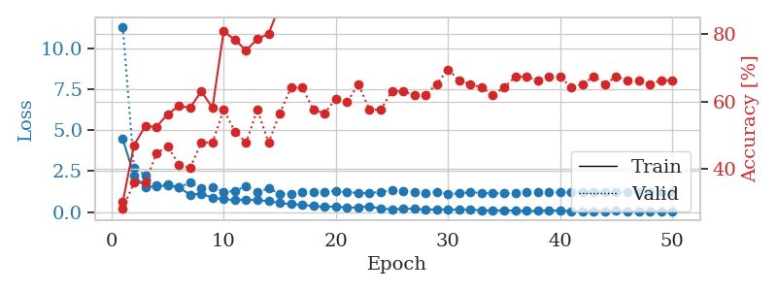
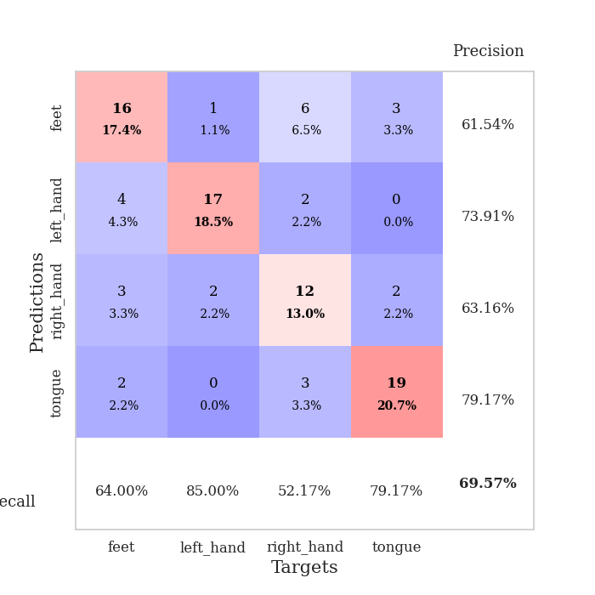
train_loss | valid_loss | train_accuracy | valid_accuracy | dur | train_misclass | valid_misclass
4.4605967947 | 11.326017919 | 0.30163043478 | 0.28260869565 | 0.097111940384 | 30.163043478 | 28.260869565
2.2499170977 | 2.7254692264 | 0.47010869565 | 0.35869565217 | 0.094579458237 | 47.010869565 | 35.869565217
1.5244909033 | 2.2427176082 | 0.52717391304 | 0.35869565217 | 0.10393333435 | 52.717391304 | 35.869565217
1.5777016075 | 1.6427561641 | 0.52445652174 | 0.44565217391 | 0.099859714508 | 52.445652174 | 44.565217391
1.621879759 | 1.7110728751 | 0.5625 | 0.46739130435 | 0.096950769424 | 56.25 | 46.739130435
1.5154384141 | 1.5130311562 | 0.58695652174 | 0.41304347826 | 0.1038172245 | 58.695652174 | 41.304347826
1.061804914 | 1.7908624981 | 0.58152173913 | 0.40217391304 | 0.099951267242 | 58.152173913 | 40.217391304
1.1298626843 | 1.4825401669 | 0.63043478261 | 0.47826086957 | 0.10470986366 | 63.043478261 | 47.826086957
0.88103208982 | 1.5466883027 | 0.58152173913 | 0.47826086957 | 0.10009527206 | 58.152173913 | 47.826086957
0.78391013586 | 1.2277853385 | 0.8097826087 | 0.57608695652 | 0.10020446777 | 80.97826087 | 57.608695652
0.73480887646 | 1.2848196289 | 0.78260869565 | 0.51086956522 | 0.10713267326 | 78.260869565 | 51.086956522
0.75240562014 | 1.598331016 | 0.7527173913 | 0.47826086957 | 0.10634732246 | 75.27173913 | 47.826086957
0.73506737403 | 1.2026372422 | 0.78532608696 | 0.57608695652 | 0.10333442688 | 78.532608696 | 57.608695652
0.66922214919 | 1.4605897406 | 0.80163043478 | 0.47826086957 | 0.10656261444 | 80.163043478 | 47.826086957
0.55870146013 | 1.1044626495 | 0.88586956522 | 0.5652173913 | 0.10451817513 | 88.586956522 | 56.52173913
0.48969323998 | 1.1232785816 | 0.8777173913 | 0.64130434783 | 0.10676145554 | 87.77173913 | 64.130434783
0.4466020588 | 1.2316792996 | 0.94293478261 | 0.64130434783 | 0.10823154449 | 94.293478261 | 64.130434783
0.37309985462 | 1.2445005593 | 0.86956521739 | 0.57608695652 | 0.10751438141 | 86.956521739 | 57.608695652
0.30944874008 | 1.2486539405 | 0.96195652174 | 0.5652173913 | 0.1110253334 | 96.195652174 | 56.52173913
0.35192266884 | 1.3035350934 | 0.92119565217 | 0.60869565217 | 0.10670828819 | 92.119565217 | 60.869565217
0.26848971682 | 1.2027792464 | 0.88586956522 | 0.59782608696 | 0.10271549225 | 88.586956522 | 59.782608696
0.29418049688 | 1.1860050844 | 0.97554347826 | 0.65217391304 | 0.11024880409 | 97.554347826 | 65.217391304
0.35394867639 | 1.1576876951 | 0.95923913043 | 0.57608695652 | 0.10343837738 | 95.923913043 | 57.608695652
0.2060582701 | 1.2402131868 | 0.99456521739 | 0.57608695652 | 0.10706162453 | 99.456521739 | 57.608695652
0.17068668325 | 1.3345374543 | 0.97826086957 | 0.63043478261 | 0.10817837715 | 97.826086957 | 63.043478261
0.19424725964 | 1.2535345036 | 0.98913043478 | 0.63043478261 | 0.10503649712 | 98.913043478 | 63.043478261
0.21115619349 | 1.2133662079 | 0.99456521739 | 0.61956521739 | 0.11285877228 | 99.456521739 | 61.956521739
0.14451678138 | 1.162563635 | 0.98097826087 | 0.61956521739 | 0.10160779953 | 98.097826087 | 61.956521739
0.16282413471 | 1.2317483736 | 1 | 0.65217391304 | 0.10709214211 | 100 | 65.217391304
0.15534531244 | 1.1177575796 | 0.9972826087 | 0.69565217391 | 0.10671377182 | 99.72826087 | 69.565217391
0.14679119841 | 1.1398409864 | 0.99184782609 | 0.66304347826 | 0.10807490349 | 99.184782609 | 66.304347826
0.15273789146 | 1.2230876114 | 1 | 0.65217391304 | 0.10502696037 | 100 | 65.217391304
0.10368633205 | 1.1648711173 | 0.99456521739 | 0.64130434783 | 0.10660290718 | 99.456521739 | 64.130434783
0.092089019473 | 1.1597491451 | 1 | 0.61956521739 | 0.10256814957 | 100 | 61.956521739
0.11611146909 | 1.1357772661 | 1 | 0.64130434783 | 0.10664749146 | 100 | 64.130434783
0.086196711125 | 1.1491834599 | 1 | 0.67391304348 | 0.11097788811 | 100 | 67.391304348
0.07237023435 | 1.199941122 | 1 | 0.67391304348 | 0.10561728477 | 100 | 67.391304348
0.069528462608 | 1.2010246101 | 1 | 0.66304347826 | 0.10968255997 | 100 | 66.304347826
0.098831735612 | 1.2009138646 | 1 | 0.67391304348 | 0.098860502243 | 100 | 67.391304348
0.086409211847 | 1.2001929801 | 1 | 0.67391304348 | 0.10552597046 | 100 | 67.391304348
0.05891610601 | 1.2109463111 | 1 | 0.64130434783 | 0.10158967972 | 100 | 64.130434783
0.064734538835 | 1.2388581608 | 1 | 0.65217391304 | 0.10573840141 | 100 | 65.217391304
0.057628234322 | 1.2292703649 | 1 | 0.67391304348 | 0.10471630096 | 100 | 67.391304348
0.065852682106 | 1.2285986569 | 1 | 0.65217391304 | 0.11031913757 | 100 | 65.217391304
0.074361293212 | 1.2246012999 | 1 | 0.67391304348 | 0.11365818977 | 100 | 67.391304348
0.060145297513 | 1.2206312366 | 1 | 0.66304347826 | 0.11483192444 | 100 | 66.304347826
0.054273948195 | 1.2189579528 | 1 | 0.66304347826 | 0.10547184944 | 100 | 66.304347826
0.059055741714 | 1.2082727785 | 1 | 0.65217391304 | 0.10530781746 | 100 | 65.217391304
0.055452380653 | 1.2165143283 | 1 | 0.66304347826 | 0.10246038437 | 100 | 66.304347826
0.063651911813 | 1.2223202353 | 1 | 0.66304347826 | 0.10213637352 | 100 | 66.304347826

Best Val accuracy is 0.6956521739130435 and Best test accuracy is 0.646551724137931

Sheet10
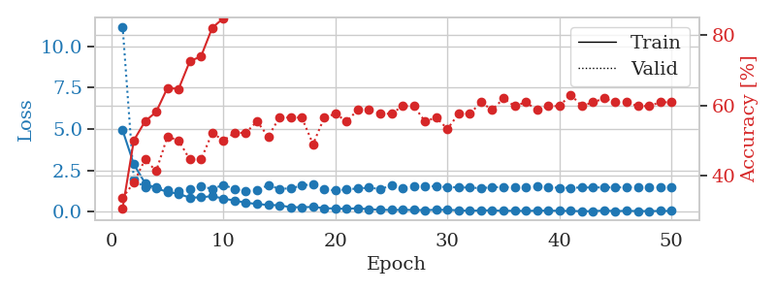
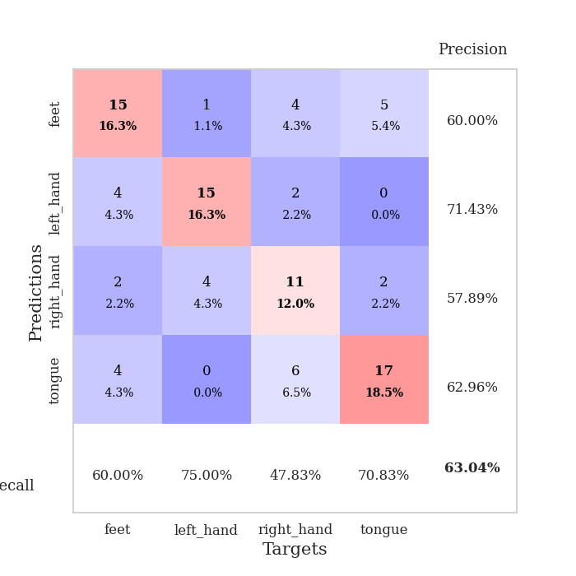
train_loss | valid_loss | train_accuracy | valid_accuracy | dur | train_misclass | valid_misclass
4.9220901883 | 11.194770896 | 0.30706521739 | 0.33695652174 | 0.099900960922 | 30.706521739 | 33.695652174
2.8639312672 | 1.9263990133 | 0.5 | 0.38043478261 | 0.095950365067 | 50 | 38.043478261
1.7262803575 | 1.4559317413 | 0.55434782609 | 0.44565217391 | 0.10610222816 | 55.434782609 | 44.565217391
1.3975885018 | 1.463956299 | 0.58152173913 | 0.41304347826 | 0.10805869102 | 58.152173913 | 41.304347826
1.1992746566 | 1.2984960442 | 0.64945652174 | 0.51086956522 | 0.09864449501 | 64.945652174 | 51.086956522
1.0666575872 | 1.2442777053 | 0.64673913043 | 0.5 | 0.10790109634 | 64.673913043 | 50
0.84344202539 | 1.3492568731 | 0.72554347826 | 0.44565217391 | 0.10847949982 | 72.554347826 | 44.565217391
0.85796932682 | 1.516671388 | 0.73913043478 | 0.44565217391 | 0.10112977028 | 73.913043478 | 44.565217391
0.93677165456 | 1.3772080929 | 0.82065217391 | 0.52173913043 | 0.10288691521 | 82.065217391 | 52.173913043
0.78080093861 | 1.6059823762 | 0.84782608696 | 0.5 | 0.11040735245 | 84.782608696 | 50
0.6670054612 | 1.3727329088 | 0.86684782609 | 0.52173913043 | 0.10599994659 | 86.684782609 | 52.173913043
0.52914807395 | 1.2355486466 | 0.90760869565 | 0.52173913043 | 0.10357260704 | 90.760869565 | 52.173913043
0.45941517146 | 1.3185571121 | 0.95380434783 | 0.55434782609 | 0.10282683372 | 95.380434783 | 55.434782609
0.39803101122 | 1.5861281208 | 0.95380434783 | 0.51086956522 | 0.10678505898 | 95.380434783 | 51.086956522
0.37862656104 | 1.380107662 | 0.97010869565 | 0.5652173913 | 0.11351633072 | 97.010869565 | 56.52173913
0.26241584025 | 1.4015999359 | 0.97554347826 | 0.5652173913 | 0.10681033134 | 97.554347826 | 56.52173913
0.2600709208 | 1.5693032016 | 0.99456521739 | 0.5652173913 | 0.11229610443 | 99.456521739 | 56.52173913
0.27998226687 | 1.666957057 | 0.98369565217 | 0.48913043478 | 0.10975933075 | 98.369565217 | 48.913043478
0.20464011282 | 1.3429723667 | 0.98913043478 | 0.5652173913 | 0.113052845 | 98.913043478 | 56.52173913
0.18106041998 | 1.2773474973 | 0.99456521739 | 0.57608695652 | 0.10755157471 | 99.456521739 | 57.608695652
0.16302315502 | 1.3447888157 | 0.9972826087 | 0.55434782609 | 0.11228394508 | 99.72826087 | 55.434782609
0.20254357779 | 1.3936883989 | 0.98913043478 | 0.58695652174 | 0.10804080963 | 98.913043478 | 58.695652174
0.13458264554 | 1.4460475756 | 1 | 0.58695652174 | 0.10791635513 | 100 | 58.695652174
0.11112613482 | 1.362619172 | 1 | 0.57608695652 | 0.10705780983 | 100 | 57.608695652
0.092683862004 | 1.5702071916 | 1 | 0.57608695652 | 0.10566973686 | 100 | 57.608695652
0.10765408231 | 1.4377209622 | 0.9972826087 | 0.59782608696 | 0.1099653244 | 99.72826087 | 59.782608696
0.092643223784 | 1.5138761686 | 1 | 0.59782608696 | 0.10359835625 | 100 | 59.782608696
0.086201062952 | 1.5206367555 | 1 | 0.55434782609 | 0.10719299316 | 100 | 55.434782609
0.10492173866 | 1.5326571776 | 1 | 0.5652173913 | 0.10540056229 | 100 | 56.52173913
0.10122995643 | 1.4682511869 | 1 | 0.53260869565 | 0.10780453682 | 100 | 53.260869565
0.07516525374 | 1.4701005998 | 1 | 0.57608695652 | 0.10729575157 | 100 | 57.608695652
0.040751287197 | 1.4464064785 | 1 | 0.57608695652 | 0.10893654823 | 100 | 57.608695652
0.071396068305 | 1.4190885295 | 1 | 0.60869565217 | 0.11267733574 | 100 | 60.869565217
0.069584160051 | 1.4681860675 | 1 | 0.58695652174 | 0.10829210281 | 100 | 58.695652174
0.044008685397 | 1.4865557422 | 1 | 0.61956521739 | 0.10451507568 | 100 | 61.956521739
0.050013113321 | 1.4546526515 | 1 | 0.59782608696 | 0.11015558243 | 100 | 59.782608696
0.035234021367 | 1.4527040772 | 1 | 0.60869565217 | 0.11083722115 | 100 | 60.869565217
0.057077652269 | 1.5093816156 | 1 | 0.58695652174 | 0.10041475296 | 100 | 58.695652174
0.053125492074 | 1.4804168991 | 1 | 0.59782608696 | 0.10905337334 | 100 | 59.782608696
0.047367281038 | 1.4318715593 | 1 | 0.59782608696 | 0.10761499405 | 100 | 59.782608696
0.036671157106 | 1.4416187535 | 1 | 0.63043478261 | 0.11442518234 | 100 | 63.043478261
0.023233048537 | 1.4535673287 | 1 | 0.59782608696 | 0.11985111237 | 100 | 59.782608696
0.019681017856 | 1.4596192007 | 1 | 0.60869565217 | 0.11072444916 | 100 | 60.869565217
0.065281026167 | 1.4609845929 | 1 | 0.61956521739 | 0.10718274117 | 100 | 61.956521739
0.023986911786 | 1.4620516508 | 1 | 0.60869565217 | 0.1113653183 | 100 | 60.869565217
0.047942146416 | 1.4714819141 | 1 | 0.60869565217 | 0.10804104805 | 100 | 60.869565217
0.026079090758 | 1.4820017089 | 1 | 0.59782608696 | 0.1082777977 | 100 | 59.782608696
0.0295933285 | 1.4906730652 | 1 | 0.59782608696 | 0.10940313339 | 100 | 59.782608696
0.0341585681 | 1.4707107337 | 1 | 0.60869565217 | 0.10649895668 | 100 | 60.869565217
0.04090313334 | 1.4751451637 | 1 | 0.60869565217 | 0.10563158989 | 100 | 60.869565217

Best Val accuracy is 0.6304347826086957 and Best test accuracy is 0.5086206896551724

