Sheet
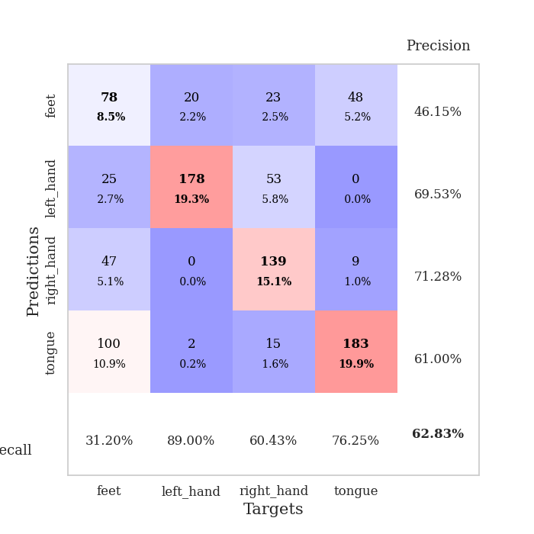
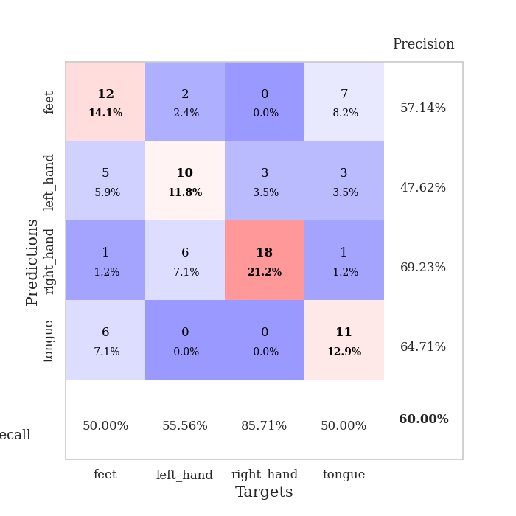
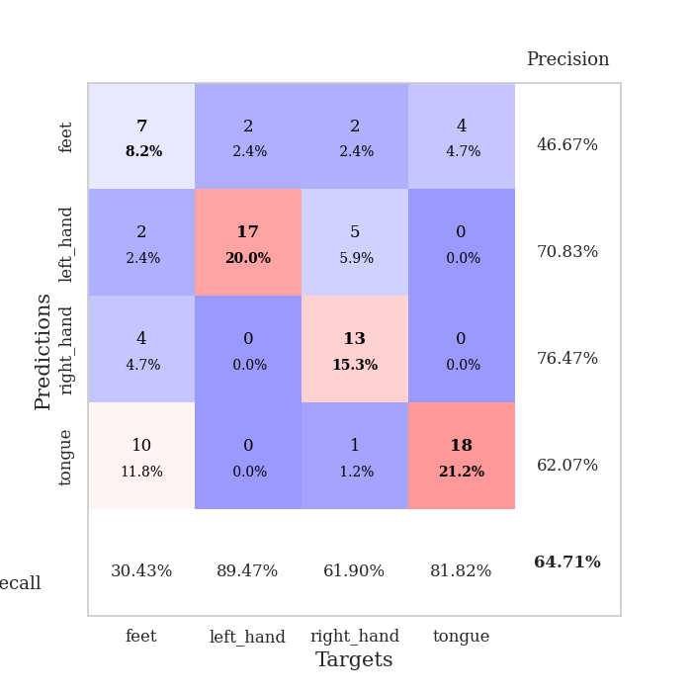
best_val_acc | best_val_los | best_test_acc
0.61956521739 | 1.0591277104 | 0.53448275862
0.64130434783 | 0.92789470502 | 0.61206896552
0.61956521739 | 1.0298948107 | 0.51724137931
0.59782608696 | 1.0279662065 | 0.5775862069
0.66304347826 | 1.1095286154 | 0.55172413793
0.52173913043 | 1.1291948013 | 0.45689655172
0.61956521739 | 0.96220459368 | 0.63793103448
0.59782608696 | 1.0622430962 | 0.50862068966
0.61956521739 | 1.1587779911 | 0.59482758621
0.6847826087 | 0.93347277201 | 0.5775862069

Mean,std Val accuracy is 0.6184782608695653 , 0.04361391879943235 and mean, std test accuracy is 0.5568965517241379 , 0.05409630632528779
best_val_acc | best_val_los | best_test_acc
0.59782608696 | 1.1834630266 | 0.55172413793
0.5652173913 | 1.1271145318 | 0.54310344828
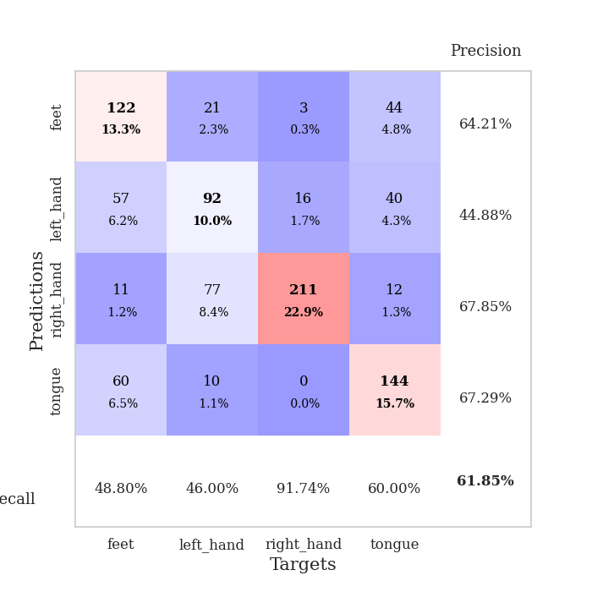
0.61956521739 | 1.0432309171 | 0.58620689655
0.57608695652 | 1.1046704183 | 0.54310344828
0.5652173913 | 1.1615192268 | 0.56034482759
0.58695652174 | 1.1303090427 | 0.50862068966
0.5652173913 | 1.1006160093 | 0.50862068966
0.53260869565 | 1.1197314833 | 0.59482758621
0.54347826087 | 1.2646555952 | 0.48275862069
0.60869565217 | 1.1408855669 | 0.61206896552

Mean,std Val accuracy is 0.5760869565217391 , 0.0275933808183475 and mean, std test accuracy is 0.5491379310344827 , 0.04125340039312206
best_val_acc | best_val_los | best_test_acc
0.27173913043 | 1.4521329092 | 0.25862068966
0.5 | 1.1028144463 | 0.50862068966
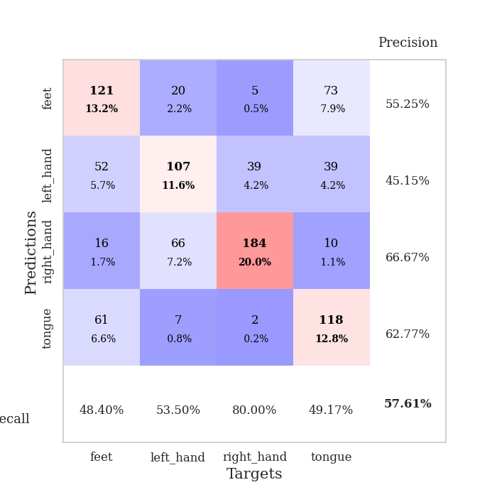
1 | 0.81205768948 | 1
0.72826086957 | 0.85174093298 | 0.74137931034
0.61956521739 | 1.0257755388 | 0.62931034483

0.73913043478 | 0.84554018922 | 0.74137931034
0.72826086957 | 0.85558913842 | 0.73275862069
0.73913043478 | 0.82457196453 | 0.76724137931
0.47826086957 | 1.0632277053 | 0.49137931034
0.47826086957 | 1.1353616559 | 0.49137931034

Mean,std Val accuracy is 0.6282608695652174 , 0.2031442611600437 and mean, std test accuracy is 0.6362068965517241 , 0.2059685445714631

Sheet1
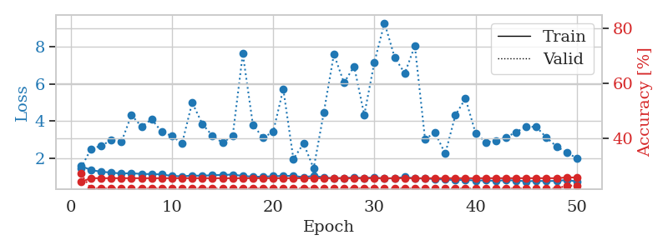
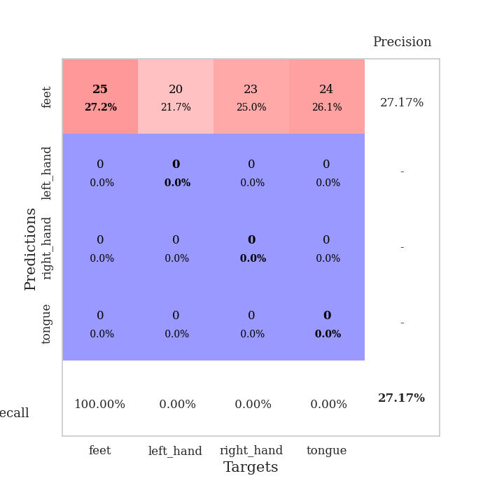
train_loss | valid_loss | train_accuracy | valid_accuracy | dur | train_misclass | valid_misclass
3.2706296651 | 3.5990645782 | 0.25543478261 | 0.26086956522 | 0.10511422157 | 25.543478261 | 26.086956522
1.727871957 | 3.7746445614 | 0.2527173913 | 0.26086956522 | 0.082993745804 | 25.27173913 | 26.086956522
1.288783387 | 1.5123444899 | 0.38315217391 | 0.39130434783 | 0.082541227341 | 38.315217391 | 39.130434783
1.029151774 | 1.3503321668 | 0.54347826087 | 0.47826086957 | 0.082118988037 | 54.347826087 | 47.826086957
0.96382463756 | 1.1170699182 | 0.68206521739 | 0.48913043478 | 0.082724809647 | 68.206521739 | 48.913043478
0.85397906407 | 1.1077864714 | 0.71195652174 | 0.51086956522 | 0.082837820053 | 71.195652174 | 51.086956522
0.71423543536 | 1.1428455762 | 0.67663043478 | 0.57608695652 | 0.082730770111 | 67.663043478 | 57.608695652
0.69003424048 | 1.0788305039 | 0.8097826087 | 0.47826086957 | 0.082994937897 | 80.97826087 | 47.826086957
0.65394876314 | 1.0752194291 | 0.76630434783 | 0.61956521739 | 0.082737922668 | 76.630434783 | 61.956521739
0.66604434019 | 1.0999708383 | 0.8125 | 0.53260869565 | 0.08273768425 | 81.25 | 53.260869565
0.59976684788 | 1.1503057584 | 0.86413043478 | 0.47826086957 | 0.0825278759 | 86.413043478 | 47.826086957
0.60565748811 | 1.1452400814 | 0.86684782609 | 0.51086956522 | 0.082524061203 | 86.684782609 | 51.086956522
0.60394608327 | 1.2024060462 | 0.88586956522 | 0.51086956522 | 0.082662343979 | 88.586956522 | 51.086956522
0.49359093606 | 1.2885283154 | 0.8777173913 | 0.45652173913 | 0.082572221756 | 87.77173913 | 45.652173913
0.54740606637 | 1.167665961 | 0.89673913043 | 0.52173913043 | 0.082536458969 | 89.673913043 | 52.173913043
0.51447333784 | 1.0591277104 | 0.91304347826 | 0.54347826087 | 0.082669973373 | 91.304347826 | 54.347826087
0.4922969121 | 1.2348393267 | 0.84782608696 | 0.53260869565 | 0.082633972168 | 84.782608696 | 53.260869565
0.49466998162 | 1.2486987891 | 0.92119565217 | 0.54347826087 | 0.082942247391 | 92.119565217 | 54.347826087
0.47397109607 | 1.2250514419 | 0.94836956522 | 0.55434782609 | 0.08272600174 | 94.836956522 | 55.434782609
0.42833345805 | 1.2453173192 | 0.91576086957 | 0.52173913043 | 0.082648038864 | 91.576086957 | 52.173913043
0.40618487286 | 1.3731865572 | 0.88858695652 | 0.52173913043 | 0.082676649094 | 88.858695652 | 52.173913043
0.40409204461 | 1.3439550167 | 0.84510869565 | 0.55434782609 | 0.082763910294 | 84.510869565 | 55.434782609
0.43664163869 | 1.2186921718 | 0.95652173913 | 0.53260869565 | 0.082834243774 | 95.652173913 | 53.260869565
0.40728661548 | 1.1567724321 | 0.95380434783 | 0.5652173913 | 0.083057880402 | 95.380434783 | 56.52173913
0.3465806722 | 1.1409329629 | 0.97010869565 | 0.55434782609 | 0.086943864822 | 97.010869565 | 55.434782609
0.32354644297 | 1.2882966619 | 0.90760869565 | 0.52173913043 | 0.084278345108 | 90.760869565 | 52.173913043
0.27999210244 | 1.1819710304 | 0.95652173913 | 0.53260869565 | 0.08345580101 | 95.652173913 | 53.260869565
0.32255371757 | 1.1598708617 | 0.98641304348 | 0.51086956522 | 0.082799911499 | 98.641304348 | 51.086956522
0.28367269622 | 1.1902561926 | 0.97010869565 | 0.53260869565 | 0.082942008972 | 97.010869565 | 53.260869565
0.21668036833 | 1.2939022896 | 0.9402173913 | 0.54347826087 | 0.083181142807 | 94.02173913 | 54.347826087
0.2451516061 | 1.3022124975 | 0.94836956522 | 0.53260869565 | 0.083094596863 | 94.836956522 | 53.260869565
0.23497721253 | 1.3424992587 | 0.96195652174 | 0.5652173913 | 0.083094120026 | 96.195652174 | 56.52173913
0.28006490158 | 1.2890331836 | 0.96467391304 | 0.55434782609 | 0.083177566528 | 96.467391304 | 55.434782609
0.23033066807 | 1.3055530657 | 0.95108695652 | 0.54347826087 | 0.083499193192 | 95.108695652 | 54.347826087
0.21857225053 | 1.2208501437 | 0.97282608696 | 0.5652173913 | 0.083058595657 | 97.282608696 | 56.52173913
0.22392049205 | 1.1998496367 | 0.98097826087 | 0.55434782609 | 0.082986354828 | 98.097826087 | 55.434782609
0.26397781236 | 1.225507078 | 0.97282608696 | 0.5652173913 | 0.083094358444 | 97.282608696 | 56.52173913
0.23494687612 | 1.2446275703 | 0.97010869565 | 0.57608695652 | 0.082967042923 | 97.010869565 | 57.608695652
0.18896443202 | 1.2131443192 | 0.98097826087 | 0.58695652174 | 0.084878206253 | 98.097826087 | 58.695652174
0.22288757271 | 1.2134561111 | 0.98641304348 | 0.5652173913 | 0.082738876343 | 98.641304348 | 56.52173913
0.23099320673 | 1.2224609554 | 0.98369565217 | 0.55434782609 | 0.084094285965 | 98.369565217 | 55.434782609
0.2328363414 | 1.2063989056 | 0.98369565217 | 0.54347826087 | 0.083907604218 | 98.369565217 | 54.347826087
0.18265665355 | 1.2388157261 | 0.97826086957 | 0.57608695652 | 0.083459854126 | 97.826086957 | 57.608695652
0.20461593617 | 1.2664358512 | 0.97010869565 | 0.57608695652 | 0.082986593246 | 97.010869565 | 57.608695652
0.22403976993 | 1.2520074741 | 0.97554347826 | 0.5652173913 | 0.082615852356 | 97.554347826 | 56.52173913
0.19039394431 | 1.2468338881 | 0.97554347826 | 0.5652173913 | 0.082906484604 | 97.554347826 | 56.52173913
0.17343267847 | 1.246913621 | 0.97554347826 | 0.5652173913 | 0.084881305695 | 97.554347826 | 56.52173913
0.20892208426 | 1.2467996621 | 0.97554347826 | 0.55434782609 | 0.082967996597 | 97.554347826 | 55.434782609
0.21392631725 | 1.2474070334 | 0.97554347826 | 0.55434782609 | 0.082994222641 | 97.554347826 | 55.434782609
0.20357104844 | 1.2478957124 | 0.97554347826 | 0.55434782609 | 0.083325386047 | 97.554347826 | 55.434782609

Best Val accuracy is 0.6195652173913043 and Best test accuracy is 0.5344827586206896
train_loss | valid_loss | train_accuracy | valid_accuracy | dur | train_misclass | valid_misclass
3.9378272969 | 4.7258447357 | 0.26902173913 | 0.29347826087 | 0.082753896713 | 26.902173913 | 29.347826087
1.5442087547 | 2.3159874315 | 0.27989130435 | 0.30434782609 | 0.079960823059 | 27.989130435 | 30.434782609
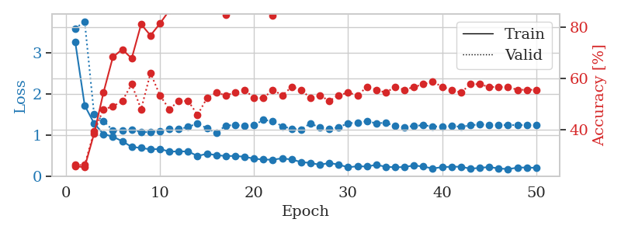
1.3876489686 | 2.1254812013 | 0.3125 | 0.39130434783 | 0.080106496811 | 31.25 | 39.130434783
1.3216229833 | 1.3641915529 | 0.46467391304 | 0.41304347826 | 0.08007645607 | 46.467391304 | 41.304347826
1.0916193646 | 1.375250127 | 0.61141304348 | 0.41304347826 | 0.080375909805 | 61.141304348 | 41.304347826
0.92611443996 | 1.696507682 | 0.53804347826 | 0.36956521739 | 0.080197572708 | 53.804347826 | 36.956521739
0.83700534053 | 1.4544981925 | 0.66304347826 | 0.47826086957 | 0.080369710922 | 66.304347826 | 47.826086957
0.86484277248 | 1.4513035494 | 0.61141304348 | 0.5 | 0.080410718918 | 61.141304348 | 50
0.81782598599 | 1.6127126191 | 0.6222826087 | 0.44565217391 | 0.080661058426 | 62.22826087 | 44.565217391
0.70036909243 | 1.2456286861 | 0.71195652174 | 0.5652173913 | 0.080537080765 | 71.195652174 | 56.52173913
0.59980045065 | 1.5540129724 | 0.69293478261 | 0.45652173913 | 0.080580949783 | 69.293478261 | 45.652173913
0.63124714468 | 1.4267818176 | 0.71195652174 | 0.51086956522 | 0.080659866333 | 71.195652174 | 51.086956522
0.58710267751 | 1.4700850171 | 0.74184782609 | 0.5 | 0.080747365952 | 74.184782609 | 50
0.55675222951 | 1.1834630266 | 0.80434782609 | 0.57608695652 | 0.080923080444 | 80.434782609 | 57.608695652
0.51396597857 | 1.7677495583 | 0.69836956522 | 0.42391304348 | 0.080671787262 | 69.836956522 | 42.391304348
0.45548768439 | 1.3417967506 | 0.82065217391 | 0.52173913043 | 0.080567359924 | 82.065217391 | 52.173913043
0.38733072385 | 1.4497990738 | 0.7527173913 | 0.55434782609 | 0.080681562424 | 75.27173913 | 55.434782609
0.37837406345 | 1.4163488668 | 0.82880434783 | 0.51086956522 | 0.08064198494 | 82.880434783 | 51.086956522
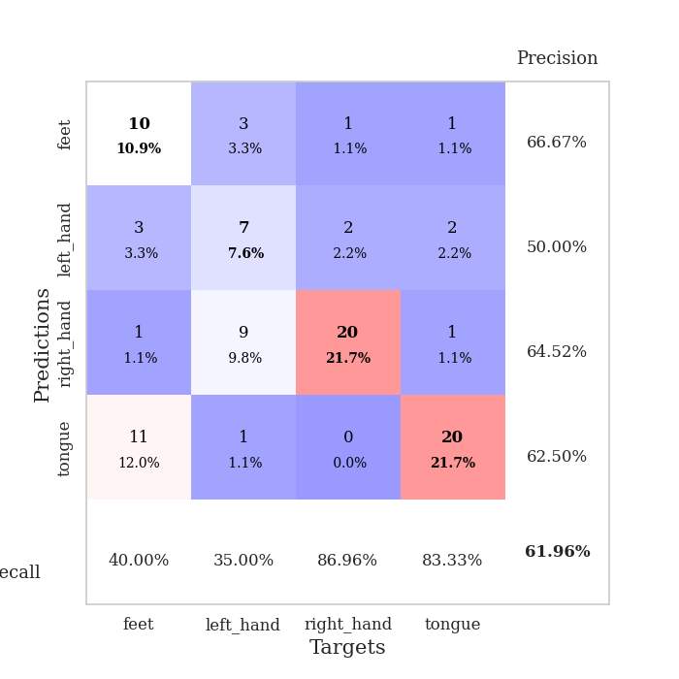
0.38153626219 | 1.1987018896 | 0.88586956522 | 0.57608695652 | 0.080620288849 | 88.586956522 | 57.608695652
0.36016803591 | 1.7024413321 | 0.79891304348 | 0.5 | 0.080765962601 | 79.891304348 | 50
0.36568838876 | 1.3052142055 | 0.88043478261 | 0.52173913043 | 0.080865859985 | 88.043478261 | 52.173913043
0.33817014681 | 1.71317284 | 0.76902173913 | 0.47826086957 | 0.080841779709 | 76.902173913 | 47.826086957
0.3349112797 | 1.3713970029 | 0.88043478261 | 0.58695652174 | 0.080923557281 | 88.043478261 | 58.695652174
0.29043436634 | 1.8698800154 | 0.78804347826 | 0.48913043478 | 0.080837726593 | 78.804347826 | 48.913043478
0.29230428908 | 1.5361437798 | 0.86141304348 | 0.53260869565 | 0.080638647079 | 86.141304348 | 53.260869565
0.30371756754 | 1.8785494799 | 0.8097826087 | 0.48913043478 | 0.080600261688 | 80.97826087 | 48.913043478
0.29217654337 | 1.7263060523 | 0.78260869565 | 0.48913043478 | 0.082416534424 | 78.260869565 | 48.913043478
0.28430966093 | 1.645551123 | 0.83152173913 | 0.57608695652 | 0.079868793488 | 83.152173913 | 57.608695652
0.26996547243 | 1.7305753205 | 0.83152173913 | 0.48913043478 | 0.079717874527 | 83.152173913 | 48.913043478
0.2549405281 | 1.5305477135 | 0.88586956522 | 0.5652173913 | 0.079701900482 | 88.586956522 | 56.52173913
0.19735633161 | 1.7653580878 | 0.82880434783 | 0.48913043478 | 0.079761743546 | 82.880434783 | 48.913043478
0.23100473764 | 1.6307192704 | 0.86956521739 | 0.54347826087 | 0.079696893692 | 86.956521739 | 54.347826087
0.24180173194 | 1.774228026 | 0.82608695652 | 0.48913043478 | 0.080010414124 | 82.608695652 | 48.913043478
0.23506882042 | 1.7534077193 | 0.86413043478 | 0.52173913043 | 0.080020189285 | 86.413043478 | 52.173913043
0.20807985864 | 2.0330133334 | 0.78532608696 | 0.46739130435 | 0.083056211472 | 78.532608696 | 46.739130435
0.19849864896 | 1.7247395775 | 0.86141304348 | 0.52173913043 | 0.080831766129 | 86.141304348 | 52.173913043
0.23279340241 | 1.6388979347 | 0.88858695652 | 0.54347826087 | 0.080862045288 | 88.858695652 | 54.347826087
0.16141547959 | 1.5831104711 | 0.90217391304 | 0.59782608696 | 0.083804130554 | 90.217391304 | 59.782608696
0.21722958075 | 1.6058273341 | 0.89402173913 | 0.55434782609 | 0.080892562866 | 89.402173913 | 55.434782609
0.22075630692 | 1.6778445944 | 0.88043478261 | 0.55434782609 | 0.080767869949 | 88.043478261 | 55.434782609
0.18616678695 | 1.6768058538 | 0.8777173913 | 0.53260869565 | 0.080803394318 | 87.77173913 | 53.260869565
0.17506495717 | 1.581395262 | 0.90489130435 | 0.57608695652 | 0.080809116364 | 90.489130435 | 57.608695652
0.18417475016 | 1.6242091448 | 0.89130434783 | 0.55434782609 | 0.083139419556 | 89.130434783 | 55.434782609
0.20052896829 | 1.6354574639 | 0.89402173913 | 0.55434782609 | 0.08082985878 | 89.402173913 | 55.434782609
0.1844157792 | 1.6377319512 | 0.89130434783 | 0.55434782609 | 0.080532550812 | 89.130434783 | 55.434782609
0.19744541496 | 1.6410576598 | 0.88858695652 | 0.54347826087 | 0.082565546036 | 88.858695652 | 54.347826087
0.15932792968 | 1.6335460855 | 0.89402173913 | 0.5652173913 | 0.080813169479 | 89.402173913 | 56.52173913
0.17808354743 | 1.6275264413 | 0.89402173913 | 0.5652173913 | 0.080762863159 | 89.402173913 | 56.52173913
0.18058216458 | 1.621005193 | 0.89402173913 | 0.5652173913 | 0.080778121948 | 89.402173913 | 56.52173913
0.14302338239 | 1.617456326 | 0.89673913043 | 0.5652173913 | 0.081220388412 | 89.673913043 | 56.52173913

Best Val accuracy is 0.5978260869565217 and Best test accuracy is 0.5517241379310345
train_loss | valid_loss | train_accuracy | valid_accuracy | dur | train_misclass | valid_misclass
1.5884554334 | 1.4667051201 | 0.24184782609 | 0.27173913043 | 9.6247489452 | 24.184782609 | 27.173913043
1.3610726077 | 2.4945398103 | 0.25543478261 | 0.21739130435 | 0.21458363533 | 25.543478261 | 21.739130435
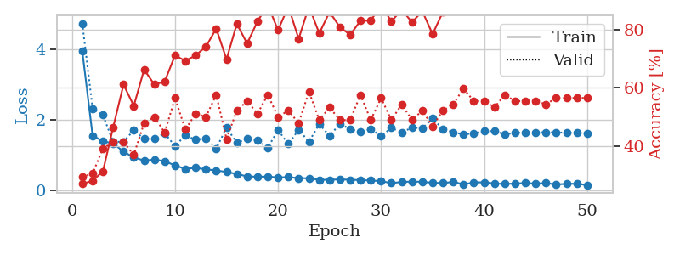
1.2741954016 | 2.6736778695 | 0.25543478261 | 0.21739130435 | 0.21170115471 | 25.543478261 | 21.739130435
1.2241050109 | 2.9670939653 | 0.25543478261 | 0.21739130435 | 0.21386170387 | 25.543478261 | 21.739130435
1.1762970608 | 2.8723247777 | 0.25543478261 | 0.21739130435 | 0.21139907837 | 25.543478261 | 21.739130435
1.1940007313 | 4.3241494013 | 0.25543478261 | 0.21739130435 | 0.21229124069 | 25.543478261 | 21.739130435
1.1513186486 | 3.6997002726 | 0.25543478261 | 0.21739130435 | 0.21588397026 | 25.543478261 | 21.739130435
1.1491474406 | 4.0975903013 | 0.25543478261 | 0.21739130435 | 0.21530056 | 25.543478261 | 21.739130435
1.1277529623 | 3.4113092733 | 0.25543478261 | 0.21739130435 | 0.21038484573 | 25.543478261 | 21.739130435
1.0454300487 | 3.1989783826 | 0.25543478261 | 0.21739130435 | 0.21009755135 | 25.543478261 | 21.739130435
1.0268235621 | 2.7975592717 | 0.25543478261 | 0.21739130435 | 0.21074271202 | 25.543478261 | 21.739130435
1.0629330873 | 4.995903181 | 0.25543478261 | 0.21739130435 | 0.21077346802 | 25.543478261 | 21.739130435
1.0574466871 | 3.8471129666 | 0.25543478261 | 0.21739130435 | 0.212703228 | 25.543478261 | 21.739130435
1.0851275299 | 3.2062918933 | 0.25543478261 | 0.21739130435 | 0.21064305305 | 25.543478261 | 21.739130435
1.0993890322 | 2.8324153423 | 0.25543478261 | 0.21739130435 | 0.21064305305 | 25.543478261 | 21.739130435
1.1178487643 | 3.1932990758 | 0.25543478261 | 0.21739130435 | 0.20946407318 | 25.543478261 | 21.739130435
1.04680073 | 7.6306453788 | 0.25543478261 | 0.21739130435 | 0.20895624161 | 25.543478261 | 21.739130435
1.0054787605 | 3.7957674006 | 0.25543478261 | 0.21739130435 | 0.21041345596 | 25.543478261 | 21.739130435
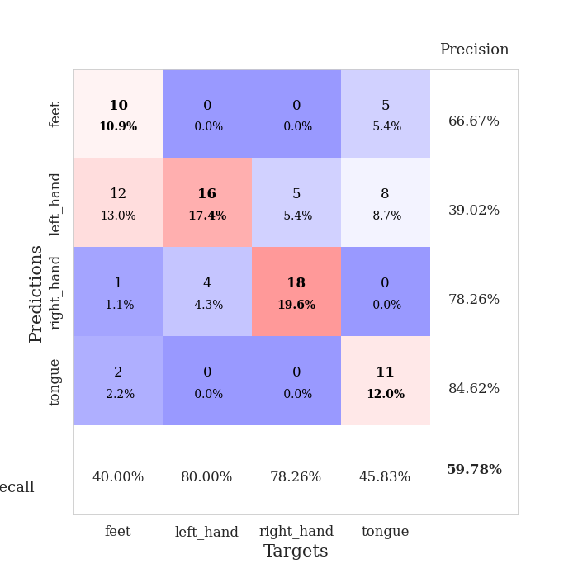
1.0043278259 | 3.1043262896 | 0.25543478261 | 0.21739130435 | 0.21099233627 | 25.543478261 | 21.739130435
1.0310393909 | 3.4197267035 | 0.25543478261 | 0.21739130435 | 0.21013045311 | 25.543478261 | 21.739130435
1.0466727278 | 5.7282778906 | 0.25543478261 | 0.21739130435 | 0.20833396912 | 25.543478261 | 21.739130435
1.0505162063 | 1.9507911309 | 0.25543478261 | 0.21739130435 | 0.20970749855 | 25.543478261 | 21.739130435
0.97682250064 | 2.795215814 | 0.25543478261 | 0.21739130435 | 0.20821714401 | 25.543478261 | 21.739130435
1.0477670949 | 1.4521329092 | 0.25543478261 | 0.21739130435 | 0.210303545 | 25.543478261 | 21.739130435
0.96932845789 | 4.4504630669 | 0.25543478261 | 0.21739130435 | 0.20905685425 | 25.543478261 | 21.739130435
0.92032647651 | 7.597066672 | 0.25543478261 | 0.21739130435 | 0.20876264572 | 25.543478261 | 21.739130435
0.93713999313 | 6.0631819808 | 0.25543478261 | 0.21739130435 | 0.21136832237 | 25.543478261 | 21.739130435
0.96111632171 | 6.9478854926 | 0.25543478261 | 0.21739130435 | 0.20845651627 | 25.543478261 | 21.739130435
0.93523025772 | 4.3327294847 | 0.25543478261 | 0.21739130435 | 0.2122733593 | 25.543478261 | 21.739130435
0.96803952818 | 7.1687315236 | 0.25543478261 | 0.21739130435 | 0.20875358582 | 25.543478261 | 21.739130435
0.90082410626 | 9.2858438492 | 0.25543478261 | 0.21739130435 | 0.21025919914 | 25.543478261 | 21.739130435
0.9270384519 | 7.4364366946 | 0.25543478261 | 0.21739130435 | 0.21003508568 | 25.543478261 | 21.739130435
0.98588616952 | 6.5690044942 | 0.25543478261 | 0.21739130435 | 0.21098899841 | 25.543478261 | 21.739130435
0.91365622438 | 8.0474193822 | 0.25543478261 | 0.21739130435 | 0.21068882942 | 25.543478261 | 21.739130435
0.90666427301 | 3.0471277133 | 0.25543478261 | 0.21739130435 | 0.21116900444 | 25.543478261 | 21.739130435
0.87334507963 | 3.363196487 | 0.25543478261 | 0.21739130435 | 0.20963430405 | 25.543478261 | 21.739130435
0.84976953009 | 2.2428592703 | 0.25543478261 | 0.21739130435 | 0.21047878265 | 25.543478261 | 21.739130435
0.81976202519 | 4.3143710261 | 0.25543478261 | 0.21739130435 | 0.21277570724 | 25.543478261 | 21.739130435
0.83262467384 | 5.2168057276 | 0.25543478261 | 0.21739130435 | 0.21176052094 | 25.543478261 | 21.739130435
0.79885728204 | 3.3452790302 | 0.25543478261 | 0.21739130435 | 0.20984387398 | 25.543478261 | 21.739130435
0.80585378408 | 2.8671566403 | 0.25543478261 | 0.21739130435 | 0.209192276 | 25.543478261 | 21.739130435
0.77811943448 | 2.9251630306 | 0.25543478261 | 0.21739130435 | 0.2081053257 | 25.543478261 | 21.739130435
0.81938425873 | 3.1247782915 | 0.25543478261 | 0.21739130435 | 0.21237778664 | 25.543478261 | 21.739130435
0.80226171535 | 3.4036424782 | 0.25543478261 | 0.21739130435 | 0.21140146255 | 25.543478261 | 21.739130435
0.75443897558 | 3.7039127661 | 0.25543478261 | 0.21739130435 | 0.21208977699 | 25.543478261 | 21.739130435
0.77848428747 | 3.6853293647 | 0.25543478261 | 0.21739130435 | 0.21000099182 | 25.543478261 | 21.739130435
0.76750895899 | 3.1116082876 | 0.25543478261 | 0.21739130435 | 0.2074007988 | 25.543478261 | 21.739130435
0.77760731915 | 2.6316549571 | 0.25543478261 | 0.21739130435 | 0.21271824837 | 25.543478261 | 21.739130435
0.82328201377 | 2.2979781835 | 0.25815217391 | 0.22826086957 | 0.21187520027 | 25.815217391 | 22.826086957
0.74860715996 | 2.0071564032 | 0.25815217391 | 0.22826086957 | 0.21133780479 | 25.815217391 | 22.826086957

Best Val accuracy is 0.2717391304347826 and Best test accuracy is 0.25862068965517243

Sheet2
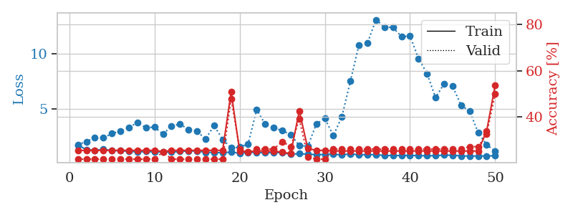
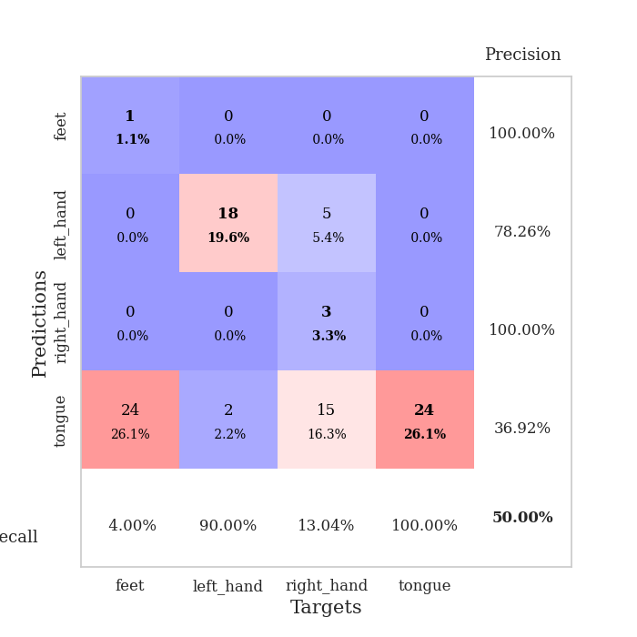
train_loss | valid_loss | train_accuracy | valid_accuracy | dur | train_misclass | valid_misclass
3.3223532075 | 5.4336252627 | 0.2527173913 | 0.26086956522 | 0.083341121674 | 25.27173913 | 26.086956522
1.3951780381 | 5.5460912456 | 0.2527173913 | 0.26086956522 | 0.082719087601 | 25.27173913 | 26.086956522
1.1067660425 | 2.7000120723 | 0.25543478261 | 0.26086956522 | 0.082394361496 | 25.543478261 | 26.086956522
0.98393988091 | 2.7280253535 | 0.25815217391 | 0.28260869565 | 0.082612514496 | 25.815217391 | 28.260869565
1.0078927045 | 1.440076149 | 0.54347826087 | 0.40217391304 | 0.082509040833 | 54.347826087 | 40.217391304
0.91159819779 | 1.1416106172 | 0.72282608696 | 0.42391304348 | 0.08188867569 | 72.282608696 | 42.391304348
0.87643392708 | 1.0756135712 | 0.67663043478 | 0.47826086957 | 0.081840515137 | 67.663043478 | 47.826086957
0.76171291004 | 1.1041998138 | 0.72282608696 | 0.46739130435 | 0.081922769547 | 72.282608696 | 46.739130435
0.77725784675 | 0.99534022549 | 0.77717391304 | 0.54347826087 | 0.083558797836 | 77.717391304 | 54.347826087
0.71285847477 | 0.94401561436 | 0.83967391304 | 0.54347826087 | 0.084327459335 | 83.967391304 | 54.347826087
0.65177389202 | 1.0422340295 | 0.84782608696 | 0.53260869565 | 0.085884571075 | 84.782608696 | 53.260869565
0.66856915666 | 0.95615558002 | 0.85597826087 | 0.5652173913 | 0.082479476929 | 85.597826087 | 56.52173913
0.57292288283 | 1.0366130704 | 0.79619565217 | 0.58695652174 | 0.082586526871 | 79.619565217 | 58.695652174
0.51793848432 | 1.0474075831 | 0.83695652174 | 0.60869565217 | 0.08222413063 | 83.695652174 | 60.869565217
0.47935239388 | 1.0173988563 | 0.82880434783 | 0.5652173913 | 0.082406282425 | 82.880434783 | 56.52173913
0.53712521882 | 1.0936416621 | 0.78260869565 | 0.58695652174 | 0.081928014755 | 78.260869565 | 58.695652174
0.55728566906 | 1.0187770465 | 0.86684782609 | 0.58695652174 | 0.081764221191 | 86.684782609 | 58.695652174
0.45664494841 | 0.92789470502 | 0.89130434783 | 0.60869565217 | 0.08203625679 | 89.130434783 | 60.869565217
0.47314073664 | 1.0249741207 | 0.88043478261 | 0.55434782609 | 0.081834554672 | 88.043478261 | 55.434782609
0.40824910739 | 1.0575781672 | 0.88043478261 | 0.60869565217 | 0.08177614212 | 88.043478261 | 60.869565217
0.44758088984 | 0.96286104684 | 0.91847826087 | 0.61956521739 | 0.081845760345 | 91.847826087 | 61.956521739
0.41696331942 | 1.004884506 | 0.91847826087 | 0.59782608696 | 0.082467317581 | 91.847826087 | 59.782608696
0.36511957386 | 1.0428396308 | 0.89402173913 | 0.59782608696 | 0.082699775696 | 89.402173913 | 59.782608696
0.38418323968 | 1.1034459977 | 0.88586956522 | 0.58695652174 | 0.082169532776 | 88.586956522 | 58.695652174
0.31631556704 | 1.3550439918 | 0.80434782609 | 0.52173913043 | 0.082446336746 | 80.434782609 | 52.173913043
0.31445165302 | 1.0826998703 | 0.91032608696 | 0.61956521739 | 0.082174062729 | 91.032608696 | 61.956521739
0.32746049308 | 1.1889023625 | 0.86956521739 | 0.59782608696 | 0.082533836365 | 86.956521739 | 59.782608696
0.27923712458 | 1.0371130549 | 0.90760869565 | 0.63043478261 | 0.082449436188 | 90.760869565 | 63.043478261
0.27684893006 | 1.03087224 | 0.92934782609 | 0.61956521739 | 0.082787513733 | 92.934782609 | 61.956521739
0.33003324789 | 1.1123606796 | 0.89402173913 | 0.57608695652 | 0.082536458969 | 89.402173913 | 57.608695652
0.30025083993 | 1.0373218669 | 0.92663043478 | 0.59782608696 | 0.082359552383 | 92.663043478 | 59.782608696
0.30635933708 | 1.0324712435 | 0.91847826087 | 0.61956521739 | 0.082417488098 | 91.847826087 | 61.956521739
0.26105577499 | 1.0564191614 | 0.92119565217 | 0.5652173913 | 0.082170724869 | 92.119565217 | 56.52173913
0.27086356509 | 0.93698866989 | 0.95652173913 | 0.57608695652 | 0.083020925522 | 95.652173913 | 57.608695652
0.25409984994 | 1.0667610376 | 0.92663043478 | 0.5652173913 | 0.082425355911 | 92.663043478 | 56.52173913
0.23388097986 | 0.99054361426 | 0.95108695652 | 0.64130434783 | 0.082298994064 | 95.108695652 | 64.130434783
0.23015781427 | 1.0228058774 | 0.9347826087 | 0.58695652174 | 0.082625865936 | 93.47826087 | 58.695652174
0.21452008398 | 0.98758416461 | 0.94565217391 | 0.61956521739 | 0.082581758499 | 94.565217391 | 61.956521739
0.20875293502 | 1.0307105935 | 0.9402173913 | 0.59782608696 | 0.082006216049 | 94.02173913 | 59.782608696
0.20349763787 | 1.0146514009 | 0.94836956522 | 0.58695652174 | 0.082156658173 | 94.836956522 | 58.695652174
0.21617727937 | 0.99746960661 | 0.95108695652 | 0.61956521739 | 0.082065105438 | 95.108695652 | 61.956521739
0.17991381932 | 0.98903988367 | 0.95652173913 | 0.60869565217 | 0.082305192947 | 95.652173913 | 60.869565217
0.1957417869 | 1.0019760546 | 0.95108695652 | 0.61956521739 | 0.08269906044 | 95.108695652 | 61.956521739
0.19640117722 | 0.99810277897 | 0.95380434783 | 0.61956521739 | 0.081857919693 | 95.380434783 | 61.956521739
0.2218544765 | 0.99717037056 | 0.95108695652 | 0.61956521739 | 0.082692623138 | 95.108695652 | 61.956521739
0.20809585131 | 0.99753753906 | 0.95108695652 | 0.61956521739 | 0.082276105881 | 95.108695652 | 61.956521739
0.17137251746 | 0.99445190248 | 0.95380434783 | 0.61956521739 | 0.082550764084 | 95.380434783 | 61.956521739
0.21439771613 | 0.99094902044 | 0.95652173913 | 0.63043478261 | 0.082881689072 | 95.652173913 | 63.043478261
0.19512801164 | 0.98853790242 | 0.95652173913 | 0.63043478261 | 0.082331180573 | 95.652173913 | 63.043478261
0.20133395663 | 0.9864385426 | 0.95652173913 | 0.63043478261 | 0.082596540451 | 95.652173913 | 63.043478261

Best Val accuracy is 0.6413043478260869 and Best test accuracy is 0.6120689655172413
train_loss | valid_loss | train_accuracy | valid_accuracy | dur | train_misclass | valid_misclass
2.8975060608 | 4.4210697879 | 0.2527173913 | 0.26086956522 | 0.082931518555 | 25.27173913 | 26.086956522
1.5528014276 | 2.9022333726 | 0.27717391304 | 0.26086956522 | 0.080334424973 | 27.717391304 | 26.086956522
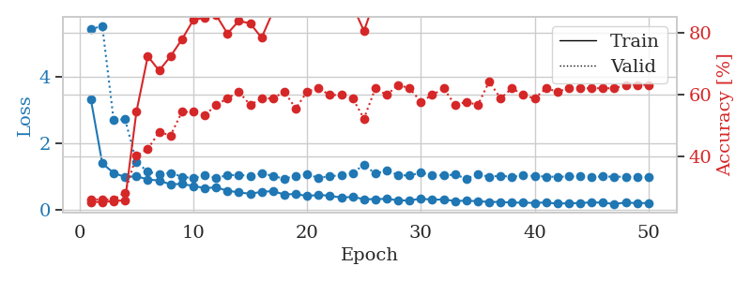
1.2141961585 | 3.8175173324 | 0.25543478261 | 0.26086956522 | 0.080299139023 | 25.543478261 | 26.086956522
1.0681727062 | 3.4589163842 | 0.2527173913 | 0.27173913043 | 0.080188512802 | 25.27173913 | 27.173913043
0.8728204525 | 1.769716807 | 0.45380434783 | 0.39130434783 | 0.080217123032 | 45.380434783 | 39.130434783
0.82001161575 | 1.3068677602 | 0.70652173913 | 0.48913043478 | 0.08029294014 | 70.652173913 | 48.913043478
0.72837046307 | 1.1271145318 | 0.76086956522 | 0.52173913043 | 0.080082416534 | 76.086956522 | 52.173913043
0.68041577935 | 1.1587328626 | 0.80434782609 | 0.54347826087 | 0.080239057541 | 80.434782609 | 54.347826087
0.65488791725 | 1.1528494565 | 0.79619565217 | 0.52173913043 | 0.080539226532 | 79.619565217 | 52.173913043
0.65503735646 | 1.2778743013 | 0.86684782609 | 0.48913043478 | 0.080410957336 | 86.684782609 | 48.913043478
0.60247769045 | 1.2482968038 | 0.82880434783 | 0.5652173913 | 0.081771373749 | 82.880434783 | 56.52173913
0.52268623723 | 1.3137000514 | 0.88858695652 | 0.48913043478 | 0.082345485687 | 88.858695652 | 48.913043478
0.4439719342 | 1.2559369181 | 0.89402173913 | 0.5 | 0.080500602722 | 89.402173913 | 50
0.5391355889 | 1.2786745325 | 0.85597826087 | 0.48913043478 | 0.080558300018 | 85.597826087 | 48.913043478
0.4450143025 | 1.4630578847 | 0.86956521739 | 0.48913043478 | 0.080417871475 | 86.956521739 | 48.913043478
0.51149666374 | 1.2654499956 | 0.90760869565 | 0.54347826087 | 0.080434799194 | 90.760869565 | 54.347826087
0.40617871738 | 1.3593320199 | 0.90760869565 | 0.47826086957 | 0.080599069595 | 90.760869565 | 47.826086957
0.41803369963 | 1.3208483056 | 0.9402173913 | 0.52173913043 | 0.08059835434 | 94.02173913 | 52.173913043
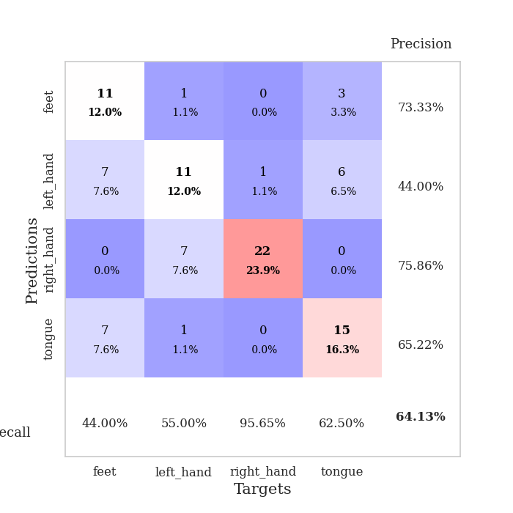
0.37694195366 | 1.3115757807 | 0.93206521739 | 0.53260869565 | 0.082056283951 | 93.206521739 | 53.260869565
0.3484818984 | 1.5426447055 | 0.88858695652 | 0.45652173913 | 0.079486846924 | 88.858695652 | 45.652173913
0.34469298565 | 1.5241158708 | 0.90489130435 | 0.47826086957 | 0.079516410828 | 90.489130435 | 47.826086957
0.31356685641 | 1.38244143 | 0.91576086957 | 0.52173913043 | 0.079479217529 | 91.576086957 | 52.173913043
0.41433433929 | 1.2384474498 | 0.94836956522 | 0.55434782609 | 0.079505443573 | 94.836956522 | 55.434782609
0.28004419415 | 1.2829324461 | 0.95380434783 | 0.5 | 0.079555273056 | 95.380434783 | 50
0.32960131311 | 1.3806689187 | 0.95380434783 | 0.47826086957 | 0.079460144043 | 95.380434783 | 47.826086957
0.22961099673 | 1.3844303463 | 0.96739130435 | 0.51086956522 | 0.079479455948 | 96.739130435 | 51.086956522
0.29994925274 | 1.3590422052 | 0.94836956522 | 0.52173913043 | 0.079563856125 | 94.836956522 | 52.173913043
0.27432845403 | 1.3633463551 | 0.95652173913 | 0.55434782609 | 0.079737901688 | 95.652173913 | 55.434782609
0.2359614369 | 1.3982746251 | 0.95108695652 | 0.53260869565 | 0.079611301422 | 95.108695652 | 53.260869565
0.26803945556 | 1.3793220468 | 0.94836956522 | 0.54347826087 | 0.079723834991 | 94.836956522 | 54.347826087
0.241726334 | 1.455034922 | 0.94836956522 | 0.51086956522 | 0.079484939575 | 94.836956522 | 51.086956522
0.20835078734 | 1.3633370775 | 0.95923913043 | 0.51086956522 | 0.079554796219 | 95.923913043 | 51.086956522
0.26893642772 | 1.3112093741 | 0.97826086957 | 0.52173913043 | 0.079582214355 | 97.826086957 | 52.173913043
0.24869316914 | 1.2872669386 | 0.98913043478 | 0.55434782609 | 0.079387426376 | 98.913043478 | 55.434782609
0.19119717683 | 1.3612149461 | 0.98369565217 | 0.55434782609 | 0.079574584961 | 98.369565217 | 55.434782609
0.18123760552 | 1.3639523633 | 0.97554347826 | 0.55434782609 | 0.079768657684 | 97.554347826 | 55.434782609
0.19567886999 | 1.3627649973 | 0.97282608696 | 0.53260869565 | 0.079713582993 | 97.282608696 | 53.260869565
0.20301294716 | 1.3678445337 | 0.97826086957 | 0.52173913043 | 0.079663991928 | 97.826086957 | 52.173913043
0.16768506655 | 1.4144864484 | 0.97010869565 | 0.53260869565 | 0.079552173615 | 97.010869565 | 53.260869565
0.1933712258 | 1.4205394711 | 0.96195652174 | 0.53260869565 | 0.079571962357 | 96.195652174 | 53.260869565
0.18623710359 | 1.4101853124 | 0.97282608696 | 0.54347826087 | 0.07962179184 | 97.282608696 | 54.347826087
0.19398659128 | 1.386462932 | 0.96739130435 | 0.54347826087 | 0.079506635666 | 96.739130435 | 54.347826087
0.20297176261 | 1.3759167609 | 0.97554347826 | 0.55434782609 | 0.079630374908 | 97.554347826 | 55.434782609
0.21321503996 | 1.3667806659 | 0.97554347826 | 0.53260869565 | 0.084882259369 | 97.554347826 | 53.260869565
0.17604960112 | 1.3759086586 | 0.97554347826 | 0.53260869565 | 0.08058142662 | 97.554347826 | 53.260869565
0.18933956228 | 1.3697261175 | 0.97826086957 | 0.53260869565 | 0.080591917038 | 97.826086957 | 53.260869565
0.22500551168 | 1.360546642 | 0.98097826087 | 0.54347826087 | 0.08055639267 | 98.097826087 | 54.347826087
0.16919065575 | 1.3521737495 | 0.98369565217 | 0.54347826087 | 0.080528497696 | 98.369565217 | 54.347826087
0.20778914087 | 1.3478169687 | 0.98369565217 | 0.54347826087 | 0.080546140671 | 98.369565217 | 54.347826087
0.18068060894 | 1.3455774538 | 0.98369565217 | 0.54347826087 | 0.080482244492 | 98.369565217 | 54.347826087

Best Val accuracy is 0.5652173913043478 and Best test accuracy is 0.5431034482758621
train_loss | valid_loss | train_accuracy | valid_accuracy | dur | train_misclass | valid_misclass
1.6469429317 | 1.7060952757 | 0.25543478261 | 0.21739130435 | 0.21252799034 | 25.543478261 | 21.739130435
1.2593377414 | 1.9720835375 | 0.25543478261 | 0.21739130435 | 0.20823860168 | 25.543478261 | 21.739130435
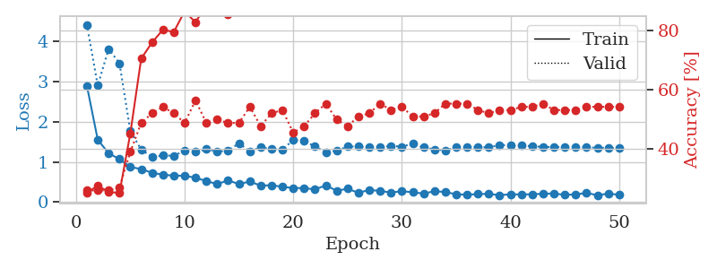
1.1743860711 | 2.3617694585 | 0.25543478261 | 0.21739130435 | 0.21011400223 | 25.543478261 | 21.739130435
1.2694973453 | 2.3163241822 | 0.25543478261 | 0.21739130435 | 0.2088201046 | 25.543478261 | 21.739130435
1.1605569487 | 2.7085016499 | 0.25543478261 | 0.21739130435 | 0.2117421627 | 25.543478261 | 21.739130435
1.1311491702 | 2.9514897492 | 0.25543478261 | 0.21739130435 | 0.21348309517 | 25.543478261 | 21.739130435
1.0922196171 | 3.2609403755 | 0.25543478261 | 0.21739130435 | 0.21069431305 | 25.543478261 | 21.739130435
1.028935943 | 3.740371248 | 0.25543478261 | 0.21739130435 | 0.21171975136 | 25.543478261 | 21.739130435
1.0642026196 | 3.248959334 | 0.25543478261 | 0.21739130435 | 0.2091217041 | 25.543478261 | 21.739130435
1.0258052816 | 3.3103761984 | 0.25543478261 | 0.21739130435 | 0.21133446693 | 25.543478261 | 21.739130435
1.038637677 | 2.6526638218 | 0.25 | 0.25 | 0.21075963974 | 25 | 25
1.0053942981 | 3.3945211846 | 0.25543478261 | 0.21739130435 | 0.2110209465 | 25.543478261 | 21.739130435
1.0668416438 | 3.5750749008 | 0.25543478261 | 0.21739130435 | 0.21089291573 | 25.543478261 | 21.739130435
1.1241717339 | 3.0831489978 | 0.25543478261 | 0.21739130435 | 0.21553325653 | 25.543478261 | 21.739130435
1.1049296182 | 2.9079472397 | 0.25543478261 | 0.21739130435 | 0.2126147747 | 25.543478261 | 21.739130435
0.99462440221 | 2.2154501003 | 0.25543478261 | 0.21739130435 | 0.21155142784 | 25.543478261 | 21.739130435
0.98400131775 | 3.439446781 | 0.25543478261 | 0.21739130435 | 0.21066331863 | 25.543478261 | 21.739130435
0.95124445273 | 2.1770733854 | 0.25543478261 | 0.21739130435 | 0.21229600906 | 25.543478261 | 21.739130435
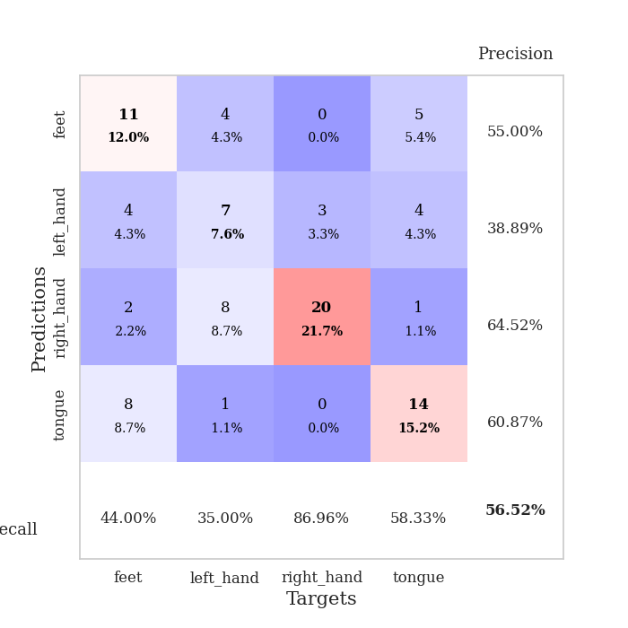
1.0209899078 | 1.4021347968 | 0.50815217391 | 0.47826086957 | 0.21098232269 | 50.815217391 | 47.826086957
0.90306616607 | 1.4609870962 | 0.2527173913 | 0.26086956522 | 0.21270728111 | 25.27173913 | 26.086956522
0.99063027423 | 1.7698769362 | 0.25 | 0.25 | 0.20627951622 | 25 | 25
0.99436941354 | 4.9070142456 | 0.2527173913 | 0.26086956522 | 0.21146416664 | 25.27173913 | 26.086956522
0.93486915464 | 3.5747263224 | 0.2527173913 | 0.26086956522 | 0.21147680283 | 25.27173913 | 26.086956522
0.99132592004 | 3.2588858397 | 0.2527173913 | 0.26086956522 | 0.21506977081 | 25.27173913 | 26.086956522
0.94930392245 | 2.9714681895 | 0.2472826087 | 0.29347826087 | 0.21362543106 | 24.72826087 | 29.347826087
0.81788048796 | 2.6286785188 | 0.24184782609 | 0.27173913043 | 0.21155834198 | 24.184782609 | 27.173913043
0.87173434962 | 1.6119173765 | 0.42663043478 | 0.39130434783 | 0.20789718628 | 42.663043478 | 39.130434783
0.80185857415 | 1.5372097855 | 0.26358695652 | 0.22826086957 | 0.2139108181 | 26.358695652 | 22.826086957
0.79804932812 | 3.594284068 | 0.25543478261 | 0.21739130435 | 0.20975089073 | 25.543478261 | 21.739130435
0.79224016096 | 4.1009335518 | 0.25543478261 | 0.21739130435 | 0.21281552315 | 25.543478261 | 21.739130435
0.82561498233 | 2.5274529975 | 0.2527173913 | 0.26086956522 | 0.2131061554 | 25.27173913 | 26.086956522
0.75452453675 | 4.2510849393 | 0.2527173913 | 0.26086956522 | 0.20973038673 | 25.27173913 | 26.086956522
0.86111828555 | 7.5024022849 | 0.2527173913 | 0.26086956522 | 0.21350264549 | 25.27173913 | 26.086956522
0.76029153233 | 10.828549758 | 0.2527173913 | 0.26086956522 | 0.21036672592 | 25.27173913 | 26.086956522
0.79196825235 | 10.988444411 | 0.2527173913 | 0.26086956522 | 0.21012210846 | 25.27173913 | 26.086956522
0.78288336681 | 13.145278765 | 0.2527173913 | 0.26086956522 | 0.21226739883 | 25.27173913 | 26.086956522
0.69379078305 | 12.483683752 | 0.2527173913 | 0.26086956522 | 0.21247768402 | 25.27173913 | 26.086956522
0.70797658096 | 12.432019317 | 0.2527173913 | 0.26086956522 | 0.21066045761 | 25.27173913 | 26.086956522
0.69799671355 | 11.597514111 | 0.2527173913 | 0.26086956522 | 0.20925354958 | 25.27173913 | 26.086956522
0.71840577022 | 11.652911518 | 0.2527173913 | 0.26086956522 | 0.21072554588 | 25.27173913 | 26.086956522
0.69227567833 | 9.5838554631 | 0.2527173913 | 0.26086956522 | 0.20995497704 | 25.27173913 | 26.086956522
0.67749379251 | 8.2114946739 | 0.2527173913 | 0.26086956522 | 0.21066904068 | 25.27173913 | 26.086956522
0.68853636475 | 5.9943151889 | 0.2527173913 | 0.26086956522 | 0.21028232574 | 25.27173913 | 26.086956522
0.73653755758 | 7.2881343676 | 0.2527173913 | 0.26086956522 | 0.20876908302 | 25.27173913 | 26.086956522
0.73280929612 | 7.0418988933 | 0.2527173913 | 0.26086956522 | 0.2115111351 | 25.27173913 | 26.086956522
0.66592434308 | 5.2987389979 | 0.2527173913 | 0.26086956522 | 0.21453261375 | 25.27173913 | 26.086956522
0.65306786869 | 4.7762494709 | 0.2527173913 | 0.27173913043 | 0.2127699852 | 25.27173913 | 27.173913043
0.65903602735 | 2.8093464478 | 0.2527173913 | 0.27173913043 | 0.21163535118 | 25.27173913 | 27.173913043
0.6650077273 | 1.6896974056 | 0.33967391304 | 0.32608695652 | 0.20964813232 | 33.967391304 | 32.608695652
0.6710850104 | 1.1028144463 | 0.53804347826 | 0.5 | 0.20782446861 | 53.804347826 | 50

Best Val accuracy is 0.5 and Best test accuracy is 0.5086206896551724

Sheet3
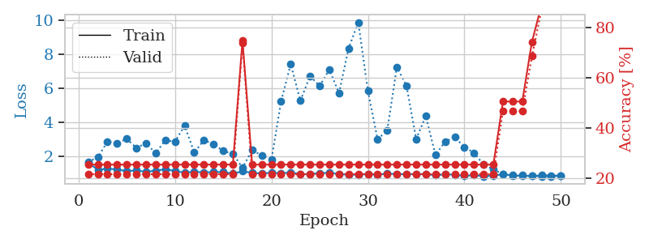
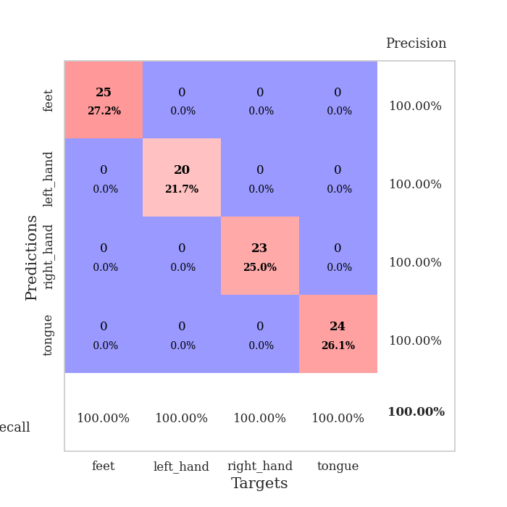
train_loss | valid_loss | train_accuracy | valid_accuracy | dur | train_misclass | valid_misclass
4.2026850659 | 11.313741186 | 0.25 | 0.25 | 0.084743976593 | 25 | 25
1.8342979058 | 5.104305993 | 0.25 | 0.25 | 0.08251285553 | 25 | 25
1.4994732504 | 1.9676571514 | 0.39402173913 | 0.28260869565 | 0.082224845886 | 39.402173913 | 28.260869565
1.3248159367 | 1.6288235291 | 0.4347826087 | 0.32608695652 | 0.081657409668 | 43.47826087 | 32.608695652
1.2790402589 | 1.364764312 | 0.50543478261 | 0.40217391304 | 0.081354618073 | 50.543478261 | 40.217391304
1.0929302288 | 1.259703009 | 0.60054347826 | 0.45652173913 | 0.085441350937 | 60.054347826 | 45.652173913
1.0194368155 | 1.1602614444 | 0.67391304348 | 0.40217391304 | 0.082760572433 | 67.391304348 | 40.217391304
0.91539486077 | 1.0408449976 | 0.73913043478 | 0.53260869565 | 0.081699609756 | 73.913043478 | 53.260869565
0.84870752563 | 1.1160241832 | 0.74456521739 | 0.4347826087 | 0.081870555878 | 74.456521739 | 43.47826087
0.79129303279 | 1.1158746144 | 0.78532608696 | 0.46739130435 | 0.082058668137 | 78.532608696 | 46.739130435
0.77809734707 | 1.1305076143 | 0.72554347826 | 0.52173913043 | 0.081622838974 | 72.554347826 | 52.173913043
0.61425557214 | 1.0298948107 | 0.85597826087 | 0.52173913043 | 0.081902742386 | 85.597826087 | 52.173913043
0.63385332149 | 1.1797713534 | 0.73641304348 | 0.54347826087 | 0.081816673279 | 73.641304348 | 54.347826087
0.60451678349 | 1.1097740388 | 0.86413043478 | 0.51086956522 | 0.081929445267 | 86.413043478 | 51.086956522
0.51379740368 | 1.1955370113 | 0.80434782609 | 0.51086956522 | 0.081446886063 | 80.434782609 | 51.086956522
0.5512129781 | 1.1263533623 | 0.89945652174 | 0.54347826087 | 0.081892490387 | 89.945652174 | 54.347826087
0.47273103245 | 1.2319749283 | 0.90217391304 | 0.48913043478 | 0.081327199936 | 90.217391304 | 48.913043478
0.49612906575 | 1.242350796 | 0.89130434783 | 0.5 | 0.081993579865 | 89.130434783 | 50
0.45479469779 | 1.4397459678 | 0.7527173913 | 0.55434782609 | 0.081568956375 | 75.27173913 | 55.434782609
0.45643325604 | 1.1808350903 | 0.84782608696 | 0.55434782609 | 0.10458493233 | 84.782608696 | 55.434782609
0.41857957192 | 1.2278175108 | 0.86956521739 | 0.5652173913 | 0.10860180855 | 86.956521739 | 56.52173913
0.40640498633 | 1.1336872629 | 0.9402173913 | 0.54347826087 | 0.088894367218 | 94.02173913 | 54.347826087
0.37784159572 | 1.1190830923 | 0.95108695652 | 0.59782608696 | 0.079994916916 | 95.108695652 | 59.782608696
0.35426028785 | 1.2347819067 | 0.91304347826 | 0.58695652174 | 0.079429864883 | 91.304347826 | 58.695652174
0.30882289941 | 1.2810517485 | 0.875 | 0.61956521739 | 0.078816890717 | 87.5 | 61.956521739
0.31286862978 | 1.1562999902 | 0.96195652174 | 0.60869565217 | 0.079272031784 | 96.195652174 | 60.869565217
0.33702530032 | 1.180418643 | 0.97282608696 | 0.59782608696 | 0.078907966614 | 97.282608696 | 59.782608696
0.33060262255 | 1.2071719481 | 0.9375 | 0.59782608696 | 0.079076528549 | 93.75 | 59.782608696
0.29743830406 | 1.1915910749 | 0.96739130435 | 0.60869565217 | 0.079155921936 | 96.739130435 | 60.869565217
0.29088903413 | 1.2720872423 | 0.9375 | 0.57608695652 | 0.079569816589 | 93.75 | 57.608695652
0.27558723254 | 1.1859606025 | 0.97554347826 | 0.58695652174 | 0.078969717026 | 97.554347826 | 58.695652174
0.24080331332 | 1.2607314379 | 0.97010869565 | 0.5652173913 | 0.079398870468 | 97.010869565 | 56.52173913
0.2486980078 | 1.3056396376 | 0.97010869565 | 0.55434782609 | 0.079296827316 | 97.010869565 | 55.434782609
0.25905902635 | 1.3201269183 | 0.97010869565 | 0.58695652174 | 0.079178333282 | 97.010869565 | 58.695652174
0.22040139495 | 1.2670762837 | 0.96195652174 | 0.58695652174 | 0.078951835632 | 96.195652174 | 58.695652174
0.25135361403 | 1.1508617764 | 0.98097826087 | 0.57608695652 | 0.079340934753 | 98.097826087 | 57.608695652
0.24467215493 | 1.2323145154 | 0.98369565217 | 0.5652173913 | 0.079236030579 | 98.369565217 | 56.52173913
0.18829027499 | 1.243794747 | 0.97826086957 | 0.5652173913 | 0.079129934311 | 97.826086957 | 56.52173913
0.17810732798 | 1.2428201916 | 0.98097826087 | 0.57608695652 | 0.079110383987 | 98.097826087 | 57.608695652
0.21832129554 | 1.2125133976 | 0.98369565217 | 0.57608695652 | 0.079223155975 | 98.369565217 | 57.608695652
0.20328801384 | 1.2413052359 | 0.98369565217 | 0.53260869565 | 0.079017162323 | 98.369565217 | 53.260869565
0.22400731723 | 1.2310344071 | 0.98369565217 | 0.5652173913 | 0.079087972641 | 98.369565217 | 56.52173913
0.23873639155 | 1.2235350622 | 0.98369565217 | 0.55434782609 | 0.079051017761 | 98.369565217 | 55.434782609
0.17788892758 | 1.2083512273 | 0.98097826087 | 0.5652173913 | 0.079028606415 | 98.097826087 | 56.52173913
0.1820321156 | 1.2078388916 | 0.98369565217 | 0.59782608696 | 0.079586982727 | 98.369565217 | 59.782608696
0.22063651584 | 1.218548846 | 0.98097826087 | 0.5652173913 | 0.081528425217 | 98.097826087 | 56.52173913
0.18166666122 | 1.2187457551 | 0.98369565217 | 0.55434782609 | 0.07915854454 | 98.369565217 | 55.434782609
0.2163457093 | 1.2184155 | 0.98369565217 | 0.5652173913 | 0.079218864441 | 98.369565217 | 56.52173913
0.15056428022 | 1.2187442507 | 0.98369565217 | 0.5652173913 | 0.079174995422 | 98.369565217 | 56.52173913
0.19991671375 | 1.2186478519 | 0.98369565217 | 0.57608695652 | 0.08026599884 | 98.369565217 | 57.608695652

Best Val accuracy is 0.6195652173913043 and Best test accuracy is 0.5172413793103449
train_loss | valid_loss | train_accuracy | valid_accuracy | dur | train_misclass | valid_misclass
3.9239611678 | 6.0069754849 | 0.2527173913 | 0.26086956522 | 0.081005811691 | 25.27173913 | 26.086956522
1.4779204493 | 3.8176789387 | 0.27445652174 | 0.32608695652 | 0.082026481628 | 27.445652174 | 32.608695652
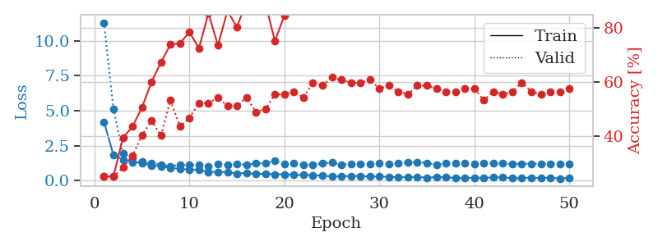
1.1838387795 | 4.0735190848 | 0.2527173913 | 0.26086956522 | 0.080050706863 | 25.27173913 | 26.086956522
1.0359950636 | 2.7864068902 | 0.26902173913 | 0.27173913043 | 0.080027103424 | 26.902173913 | 27.173913043
0.91645857303 | 1.4072958075 | 0.59239130435 | 0.46739130435 | 0.079927444458 | 59.239130435 | 46.739130435
0.864087592 | 1.2330395735 | 0.63858695652 | 0.5 | 0.080395698547 | 63.858695652 | 50
0.873483365 | 1.2969656872 | 0.70923913043 | 0.5 | 0.080322265625 | 70.923913043 | 50
0.73997607698 | 1.1988365832 | 0.73097826087 | 0.47826086957 | 0.080271482468 | 73.097826087 | 47.826086957
0.6880581677 | 1.2000665872 | 0.78532608696 | 0.46739130435 | 0.080455541611 | 78.532608696 | 46.739130435
0.66677316635 | 1.144048937 | 0.82065217391 | 0.47826086957 | 0.08043384552 | 82.065217391 | 47.826086957
0.59823544129 | 1.0432309171 | 0.83423913043 | 0.55434782609 | 0.080317974091 | 83.423913043 | 55.434782609
0.67775796159 | 1.1849560893 | 0.83695652174 | 0.53260869565 | 0.080403089523 | 83.695652174 | 53.260869565
0.60262498 | 1.1896524455 | 0.8722826087 | 0.51086956522 | 0.080409526825 | 87.22826087 | 51.086956522
0.55080942615 | 1.1283017241 | 0.88586956522 | 0.52173913043 | 0.080303907394 | 88.586956522 | 52.173913043
0.49442516332 | 1.2626573132 | 0.84782608696 | 0.53260869565 | 0.08025932312 | 84.782608696 | 53.260869565
0.49136429766 | 1.2308922332 | 0.90217391304 | 0.51086956522 | 0.081957817078 | 90.217391304 | 51.086956522
0.47910655841 | 1.1119734489 | 0.88586956522 | 0.54347826087 | 0.080458164215 | 88.586956522 | 54.347826087
0.49470888791 | 1.1007833299 | 0.92663043478 | 0.53260869565 | 0.083928108215 | 92.663043478 | 53.260869565
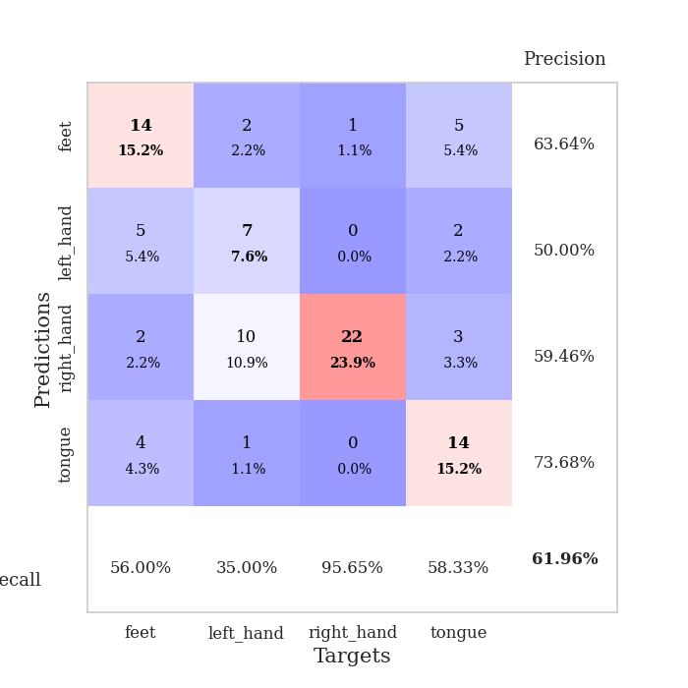
0.38623862616 | 1.2182330748 | 0.91032608696 | 0.52173913043 | 0.080290317535 | 91.032608696 | 52.173913043
0.39905175567 | 1.0877766583 | 0.92663043478 | 0.58695652174 | 0.080382823944 | 92.663043478 | 58.695652174
0.41561170959 | 1.2293008177 | 0.90760869565 | 0.54347826087 | 0.082448720932 | 90.760869565 | 54.347826087
0.33410780521 | 1.2464316617 | 0.91032608696 | 0.53260869565 | 0.080274820328 | 91.032608696 | 53.260869565
0.40966121528 | 1.3006518639 | 0.91847826087 | 0.55434782609 | 0.080196380615 | 91.847826087 | 55.434782609
0.39745900294 | 1.2945236434 | 0.9347826087 | 0.5652173913 | 0.080225944519 | 93.47826087 | 56.52173913
0.3163949601 | 1.1908197325 | 0.94565217391 | 0.55434782609 | 0.082695960999 | 94.565217391 | 55.434782609
0.31710527125 | 1.3396050749 | 0.91847826087 | 0.54347826087 | 0.080279827118 | 91.847826087 | 54.347826087
0.28888857332 | 1.2637994056 | 0.93206521739 | 0.54347826087 | 0.080417156219 | 93.206521739 | 54.347826087
0.30424828568 | 1.2450956624 | 0.94565217391 | 0.59782608696 | 0.08037352562 | 94.565217391 | 59.782608696
0.29666859997 | 1.2799898541 | 0.92119565217 | 0.5652173913 | 0.08266377449 | 92.119565217 | 56.52173913
0.31063403967 | 1.170740239 | 0.94836956522 | 0.61956521739 | 0.078982591629 | 94.836956522 | 61.956521739
0.23608408836 | 1.1621909323 | 0.95652173913 | 0.58695652174 | 0.079126358032 | 95.652173913 | 58.695652174
0.19436534381 | 1.2221175743 | 0.94293478261 | 0.59782608696 | 0.079127311707 | 94.293478261 | 59.782608696
0.25191914549 | 1.1976090307 | 0.96467391304 | 0.59782608696 | 0.079083681107 | 96.467391304 | 59.782608696
0.23577500491 | 1.1818664074 | 0.97010869565 | 0.59782608696 | 0.079255342484 | 97.010869565 | 59.782608696
0.24898861235 | 1.2344559509 | 0.95380434783 | 0.60869565217 | 0.079349756241 | 95.380434783 | 60.869565217
0.23420361786 | 1.2098946908 | 0.96195652174 | 0.58695652174 | 0.079052686691 | 96.195652174 | 58.695652174
0.254323592 | 1.2563726021 | 0.95652173913 | 0.60869565217 | 0.079085588455 | 95.652173913 | 60.869565217
0.21853592797 | 1.232006073 | 0.95380434783 | 0.58695652174 | 0.079065799713 | 95.380434783 | 58.695652174
0.21992496855 | 1.2455641161 | 0.95380434783 | 0.57608695652 | 0.078929424286 | 95.380434783 | 57.608695652
0.26403303153 | 1.208417597 | 0.95380434783 | 0.61956521739 | 0.079124689102 | 95.380434783 | 61.956521739
0.25937999202 | 1.1961012534 | 0.95652173913 | 0.61956521739 | 0.079055547714 | 95.652173913 | 61.956521739
0.17929380112 | 1.1853583533 | 0.95923913043 | 0.60869565217 | 0.079056024551 | 95.923913043 | 60.869565217
0.18394374119 | 1.195083911 | 0.96739130435 | 0.59782608696 | 0.079750537872 | 96.739130435 | 59.782608696
0.25051131683 | 1.1926931298 | 0.96739130435 | 0.60869565217 | 0.079172611237 | 96.739130435 | 60.869565217
0.23076514446 | 1.1892483934 | 0.96739130435 | 0.60869565217 | 0.079119920731 | 96.739130435 | 60.869565217
0.19552719075 | 1.1952712795 | 0.97010869565 | 0.61956521739 | 0.079069137573 | 97.010869565 | 61.956521739
0.23100390123 | 1.1952174721 | 0.97010869565 | 0.61956521739 | 0.079148054123 | 97.010869565 | 61.956521739
0.18286637006 | 1.1918992141 | 0.97010869565 | 0.61956521739 | 0.079327106476 | 97.010869565 | 61.956521739
0.19975086982 | 1.1907968651 | 0.97010869565 | 0.60869565217 | 0.079085588455 | 97.010869565 | 60.869565217
0.21453384391 | 1.1894264843 | 0.97010869565 | 0.60869565217 | 0.079074382782 | 97.010869565 | 60.869565217

Best Val accuracy is 0.6195652173913043 and Best test accuracy is 0.5862068965517241
train_loss | valid_loss | train_accuracy | valid_accuracy | dur | train_misclass | valid_misclass
1.617025961 | 1.6633493537 | 0.25543478261 | 0.21739130435 | 0.20824766159 | 25.543478261 | 21.739130435
1.1997364163 | 1.9346341672 | 0.25543478261 | 0.21739130435 | 0.20939087868 | 25.543478261 | 21.739130435
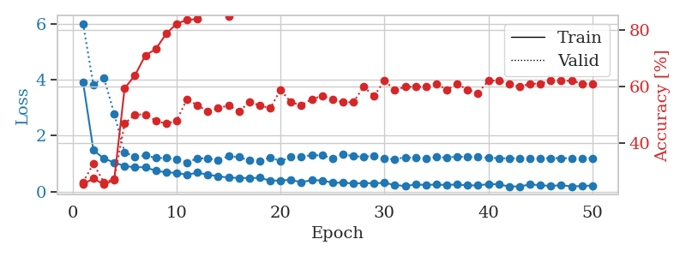
1.2643333984 | 2.8515705751 | 0.25543478261 | 0.21739130435 | 0.20980548859 | 25.543478261 | 21.739130435
1.2234498625 | 2.7627894671 | 0.25543478261 | 0.21739130435 | 0.21095895767 | 25.543478261 | 21.739130435
1.10978685 | 3.0244924193 | 0.25543478261 | 0.21739130435 | 0.2092397213 | 25.543478261 | 21.739130435
1.1706303177 | 2.4865719443 | 0.25543478261 | 0.21739130435 | 0.2112262249 | 25.543478261 | 21.739130435
1.0675905373 | 2.7563327292 | 0.25543478261 | 0.21739130435 | 0.20895886421 | 25.543478261 | 21.739130435
1.1561644051 | 2.1837415384 | 0.25543478261 | 0.21739130435 | 0.20975804329 | 25.543478261 | 21.739130435
1.225894179 | 2.9306805341 | 0.25543478261 | 0.21739130435 | 0.21224403381 | 25.543478261 | 21.739130435
1.1273294454 | 2.8524578447 | 0.25543478261 | 0.21739130435 | 0.21187996864 | 25.543478261 | 21.739130435
1.0264923832 | 3.7881679742 | 0.25543478261 | 0.21739130435 | 0.20988869667 | 25.543478261 | 21.739130435
1.0814325965 | 2.2148430347 | 0.25543478261 | 0.21739130435 | 0.21085357666 | 25.543478261 | 21.739130435
1.0422786396 | 2.9354470709 | 0.25543478261 | 0.21739130435 | 0.21070456505 | 25.543478261 | 21.739130435
1.0662395125 | 2.7210813916 | 0.25543478261 | 0.21739130435 | 0.20968365669 | 25.543478261 | 21.739130435
1.06808679 | 2.3007121397 | 0.25543478261 | 0.21739130435 | 0.20870375633 | 25.543478261 | 21.739130435
0.9700515659 | 2.1447552702 | 0.25543478261 | 0.21739130435 | 0.21027636528 | 25.543478261 | 21.739130435
1.1100830384 | 1.3132947683 | 0.7472826087 | 0.73913043478 | 0.21172213554 | 74.72826087 | 73.913043478
1.0190458894 | 2.3625369798 | 0.25543478261 | 0.21739130435 | 0.20986938477 | 25.543478261 | 21.739130435
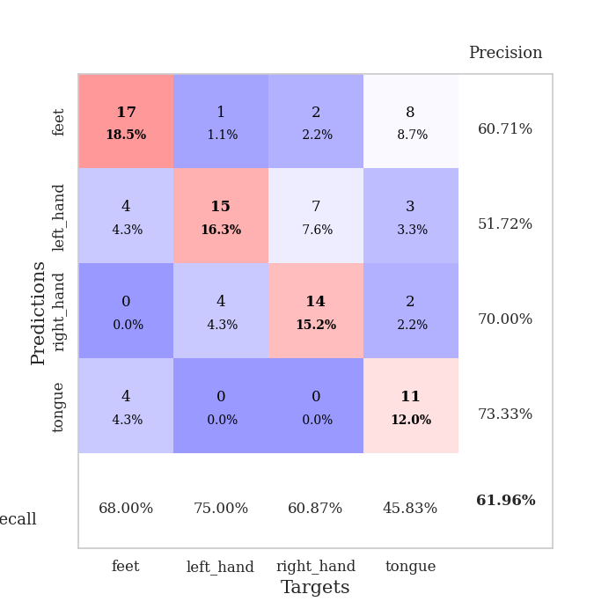
0.98590943088 | 2.0351495587 | 0.25543478261 | 0.21739130435 | 0.2055337429 | 25.543478261 | 21.739130435
1.024091052 | 1.7863092993 | 0.25543478261 | 0.21739130435 | 0.21068501472 | 25.543478261 | 21.739130435
0.99160408455 | 5.2154047593 | 0.25543478261 | 0.21739130435 | 0.21237230301 | 25.543478261 | 21.739130435
1.0495521504 | 7.4104458145 | 0.25543478261 | 0.21739130435 | 0.21016001701 | 25.543478261 | 21.739130435
0.92939331998 | 5.2526856091 | 0.25543478261 | 0.21739130435 | 0.21164298058 | 25.543478261 | 21.739130435
0.95944702366 | 6.7122026526 | 0.25543478261 | 0.21739130435 | 0.21157813072 | 25.543478261 | 21.739130435
0.99400916307 | 6.1186846857 | 0.25543478261 | 0.21739130435 | 0.21151304245 | 25.543478261 | 21.739130435
1.0260132862 | 7.095995364 | 0.25543478261 | 0.21739130435 | 0.21267676353 | 25.543478261 | 21.739130435
0.94624601758 | 5.7054387797 | 0.25543478261 | 0.21739130435 | 0.21015501022 | 25.543478261 | 21.739130435
0.91442623864 | 8.3401498795 | 0.25543478261 | 0.21739130435 | 0.20928931236 | 25.543478261 | 21.739130435
0.91573637465 | 9.8692247557 | 0.25543478261 | 0.21739130435 | 0.211196661 | 25.543478261 | 21.739130435
0.95404245024 | 5.8313719086 | 0.25543478261 | 0.21739130435 | 0.21124100685 | 25.543478261 | 21.739130435
0.90811685376 | 3.0004167142 | 0.25543478261 | 0.21739130435 | 0.21281933784 | 25.543478261 | 21.739130435
0.97675431811 | 3.5002896267 | 0.25543478261 | 0.21739130435 | 0.2142226696 | 25.543478261 | 21.739130435
0.94223233669 | 7.2370555505 | 0.25543478261 | 0.21739130435 | 0.21115326881 | 25.543478261 | 21.739130435
0.94365796058 | 6.1409044058 | 0.25543478261 | 0.21739130435 | 0.21077227592 | 25.543478261 | 21.739130435
0.94218136176 | 3.0082283331 | 0.25543478261 | 0.21739130435 | 0.20894551277 | 25.543478261 | 21.739130435
0.94390051261 | 4.350893456 | 0.25543478261 | 0.21739130435 | 0.21230125427 | 25.543478261 | 21.739130435
0.8823421442 | 2.0679562714 | 0.25543478261 | 0.21739130435 | 0.21030020714 | 25.543478261 | 21.739130435
0.92886684252 | 2.8572611912 | 0.25543478261 | 0.21739130435 | 0.20967054367 | 25.543478261 | 21.739130435
0.91369156475 | 3.1122208782 | 0.25543478261 | 0.21739130435 | 0.21319174767 | 25.543478261 | 21.739130435
0.83934700748 | 2.5322761432 | 0.25543478261 | 0.21739130435 | 0.20953297615 | 25.543478261 | 21.739130435
0.8865326954 | 2.1966529929 | 0.25543478261 | 0.21739130435 | 0.20974993706 | 25.543478261 | 21.739130435
0.82298771972 | 1.4905410901 | 0.25543478261 | 0.21739130435 | 0.21052646637 | 25.543478261 | 21.739130435
0.85575479269 | 1.223217337 | 0.25543478261 | 0.21739130435 | 0.21014761925 | 25.543478261 | 21.739130435
0.93614013299 | 0.93221123063 | 0.50543478261 | 0.46739130435 | 0.2104549408 | 50.543478261 | 46.739130435
0.8608094687 | 0.89014696297 | 0.50543478261 | 0.46739130435 | 0.20952010155 | 50.543478261 | 46.739130435
0.84624267402 | 0.90042521902 | 0.50543478261 | 0.46739130435 | 0.21102929115 | 50.543478261 | 46.739130435
0.83267707669 | 0.82697538448 | 0.74184782609 | 0.6847826087 | 0.20929336548 | 74.184782609 | 68.47826087
0.8739789206 | 0.81205768948 | 0.88858695652 | 0.86956521739 | 0.2123811245 | 88.858695652 | 86.956521739
0.86817808773 | 0.8197491765 | 1 | 1 | 0.21396493912 | 100 | 100
0.84763315709 | 0.83277563168 | 1 | 1 | 0.21270155907 | 100 | 100

Best Val accuracy is 1.0 and Best test accuracy is 1.0

Sheet4
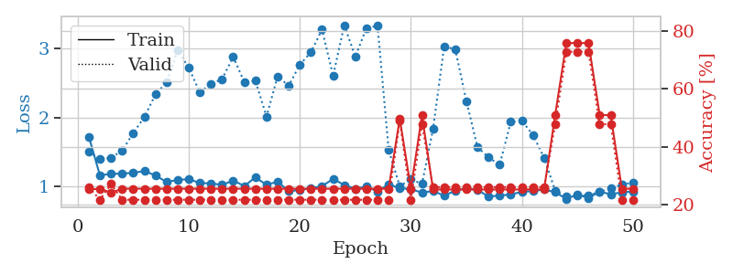
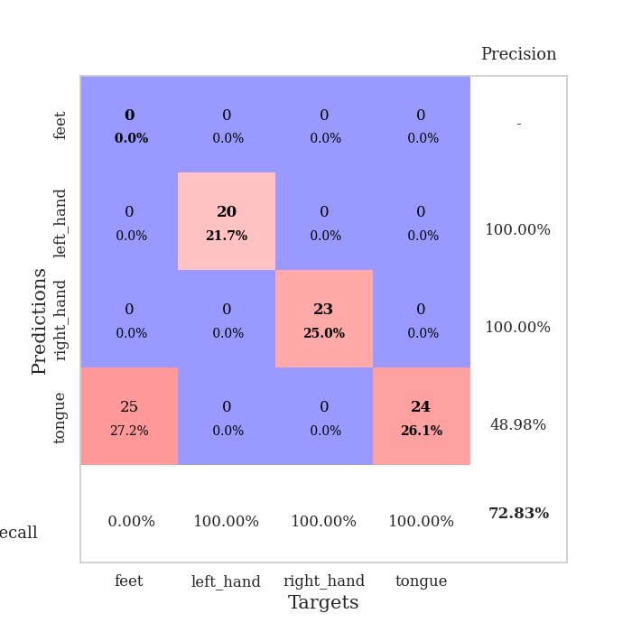
train_loss | valid_loss | train_accuracy | valid_accuracy | dur | train_misclass | valid_misclass
3.2115243932 | 5.7880976096 | 0.25 | 0.25 | 0.080012559891 | 25 | 25
1.6713380814 | 3.6037726713 | 0.2527173913 | 0.26086956522 | 0.078694820404 | 25.27173913 | 26.086956522
1.2621894505 | 1.7587808941 | 0.27989130435 | 0.30434782609 | 0.079262256622 | 27.989130435 | 30.434782609
1.088076791 | 1.449952224 | 0.42934782609 | 0.42391304348 | 0.079113483429 | 42.934782609 | 42.391304348
0.90636254394 | 1.1850391004 | 0.63586956522 | 0.51086956522 | 0.07951426506 | 63.586956522 | 51.086956522
0.87049605276 | 1.0948458729 | 0.6875 | 0.52173913043 | 0.079237699509 | 68.75 | 52.173913043
0.81541032506 | 1.1373071904 | 0.73369565217 | 0.55434782609 | 0.078948974609 | 73.369565217 | 55.434782609
0.71459377589 | 1.0407977286 | 0.8097826087 | 0.55434782609 | 0.079249858856 | 80.97826087 | 55.434782609
0.59930719241 | 1.1012412387 | 0.83152173913 | 0.54347826087 | 0.078945636749 | 83.152173913 | 54.347826087
0.61204850285 | 1.1289650694 | 0.88315217391 | 0.52173913043 | 0.079144716263 | 88.315217391 | 52.173913043
0.61130949466 | 1.0279662065 | 0.83423913043 | 0.54347826087 | 0.079122543335 | 83.423913043 | 54.347826087
0.57891408646 | 1.0826232874 | 0.90760869565 | 0.5652173913 | 0.079296112061 | 90.760869565 | 56.52173913
0.50341682849 | 1.277169501 | 0.80163043478 | 0.53260869565 | 0.079102516174 | 80.163043478 | 53.260869565
0.54201749097 | 1.2360739617 | 0.90489130435 | 0.55434782609 | 0.07875585556 | 90.489130435 | 55.434782609
0.4476233196 | 1.3579382871 | 0.91032608696 | 0.59782608696 | 0.078937292099 | 91.032608696 | 59.782608696
0.40541193084 | 1.4326147644 | 0.86684782609 | 0.52173913043 | 0.079149007797 | 86.684782609 | 52.173913043
0.43393487451 | 1.3027159183 | 0.91304347826 | 0.57608695652 | 0.07897734642 | 91.304347826 | 57.608695652
0.46309175569 | 1.4379587368 | 0.94293478261 | 0.54347826087 | 0.083049058914 | 94.293478261 | 54.347826087
0.42172369685 | 1.328647252 | 0.95108695652 | 0.53260869565 | 0.080314397812 | 95.108695652 | 53.260869565
0.38375797026 | 1.4448055184 | 0.94293478261 | 0.57608695652 | 0.08017039299 | 94.293478261 | 57.608695652
0.37921196611 | 1.3967425098 | 0.93206521739 | 0.5652173913 | 0.079993724823 | 93.206521739 | 56.52173913
0.39661294028 | 1.4796841572 | 0.92934782609 | 0.5652173913 | 0.080089569092 | 92.934782609 | 56.52173913
0.35479540767 | 1.600006316 | 0.91304347826 | 0.51086956522 | 0.082401990891 | 91.304347826 | 51.086956522
0.34897574167 | 1.4555865021 | 0.94293478261 | 0.54347826087 | 0.079012155533 | 94.293478261 | 54.347826087
0.28564505668 | 1.5328860082 | 0.91576086957 | 0.54347826087 | 0.079382419586 | 91.576086957 | 54.347826087
0.29878470982 | 1.5779226604 | 0.92119565217 | 0.53260869565 | 0.079039573669 | 92.119565217 | 53.260869565
0.2692852166 | 1.5686985747 | 0.94565217391 | 0.55434782609 | 0.079573392868 | 94.565217391 | 55.434782609
0.27114566254 | 1.4922719753 | 0.95108695652 | 0.55434782609 | 0.079279184341 | 95.108695652 | 55.434782609
0.2328799192 | 1.4867699282 | 0.94565217391 | 0.52173913043 | 0.07897734642 | 94.565217391 | 52.173913043
0.19814902625 | 1.5883054895 | 0.91576086957 | 0.53260869565 | 0.078967809677 | 91.576086957 | 53.260869565
0.22132900017 | 1.6267328839 | 0.9347826087 | 0.54347826087 | 0.078981399536 | 93.47826087 | 54.347826087
0.23244147359 | 1.5828446409 | 0.94836956522 | 0.52173913043 | 0.078989267349 | 94.836956522 | 52.173913043
0.19301800916 | 1.6116661928 | 0.9375 | 0.55434782609 | 0.079169988632 | 93.75 | 55.434782609
0.22746260691 | 1.4979809594 | 0.95923913043 | 0.53260869565 | 0.079353809357 | 95.923913043 | 53.260869565
0.21894617022 | 1.4980563492 | 0.95108695652 | 0.5652173913 | 0.07905960083 | 95.108695652 | 56.52173913
0.19046377018 | 1.5087642896 | 0.96467391304 | 0.5652173913 | 0.079403877258 | 96.467391304 | 56.52173913
0.20550384721 | 1.5404978054 | 0.94565217391 | 0.5652173913 | 0.078985214233 | 94.565217391 | 56.52173913
0.18279233364 | 1.5352580029 | 0.9402173913 | 0.5652173913 | 0.079289913177 | 94.02173913 | 56.52173913
0.1791568933 | 1.5021236795 | 0.94836956522 | 0.5652173913 | 0.079100847244 | 94.836956522 | 56.52173913
0.21401629694 | 1.5703902556 | 0.94565217391 | 0.55434782609 | 0.079189062119 | 94.565217391 | 55.434782609
0.18872211776 | 1.5258694029 | 0.95380434783 | 0.55434782609 | 0.079182863235 | 95.380434783 | 55.434782609
0.14221966858 | 1.4877963811 | 0.96739130435 | 0.58695652174 | 0.079390287399 | 96.739130435 | 58.695652174
0.18806071766 | 1.4735741068 | 0.96739130435 | 0.57608695652 | 0.079196929932 | 96.739130435 | 57.608695652
0.1988785939 | 1.4806233557 | 0.96739130435 | 0.57608695652 | 0.079026460648 | 96.739130435 | 57.608695652
0.14172172482 | 1.4817460228 | 0.97010869565 | 0.58695652174 | 0.079243183136 | 97.010869565 | 58.695652174
0.18637631996 | 1.4840446076 | 0.97010869565 | 0.57608695652 | 0.079060077667 | 97.010869565 | 57.608695652
0.14966766666 | 1.488310499 | 0.97554347826 | 0.58695652174 | 0.08266043663 | 97.554347826 | 58.695652174
0.17730699901 | 1.4897945705 | 0.97826086957 | 0.58695652174 | 0.080305337906 | 97.826086957 | 58.695652174
0.17146617741 | 1.4898928067 | 0.98097826087 | 0.58695652174 | 0.080035924911 | 98.097826087 | 58.695652174
0.17779809884 | 1.4892009908 | 0.98097826087 | 0.58695652174 | 0.080081939697 | 98.097826087 | 58.695652174

Best Val accuracy is 0.5978260869565217 and Best test accuracy is 0.5775862068965517
train_loss | valid_loss | train_accuracy | valid_accuracy | dur | train_misclass | valid_misclass
3.8863383687 | 4.3772755602 | 0.2527173913 | 0.27173913043 | 0.08188867569 | 25.27173913 | 27.173913043
1.6147405116 | 4.284605047 | 0.24184782609 | 0.27173913043 | 0.079606771469 | 24.184782609 | 27.173913043
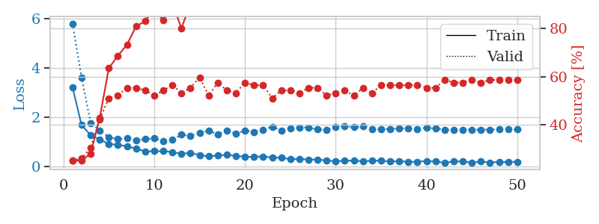
1.3217764264 | 2.2292621136 | 0.24456521739 | 0.28260869565 | 0.079502105713 | 24.456521739 | 28.260869565
1.1238272527 | 1.8030024508 | 0.40217391304 | 0.26086956522 | 0.079400062561 | 40.217391304 | 26.086956522
0.99591384504 | 1.2298029765 | 0.61956521739 | 0.45652173913 | 0.079789876938 | 61.956521739 | 45.652173913
0.88909380851 | 1.1046704183 | 0.69836956522 | 0.5 | 0.079840183258 | 69.836956522 | 50
0.86102592945 | 1.1167254422 | 0.74184782609 | 0.54347826087 | 0.079810857773 | 74.184782609 | 54.347826087
0.83303318335 | 1.2960827636 | 0.63858695652 | 0.53260869565 | 0.079845666885 | 63.858695652 | 53.260869565
0.78674833541 | 1.1754721844 | 0.77445652174 | 0.53260869565 | 0.079797267914 | 77.445652174 | 53.260869565
0.70025458414 | 1.1447285595 | 0.83423913043 | 0.52173913043 | 0.079905748367 | 83.423913043 | 52.173913043
0.63388690612 | 1.2981455948 | 0.73913043478 | 0.5 | 0.079734802246 | 73.913043478 | 50
0.61184252475 | 1.2349321013 | 0.69565217391 | 0.54347826087 | 0.079659700394 | 69.565217391 | 54.347826087
0.59691789098 | 1.2945852928 | 0.77717391304 | 0.54347826087 | 0.079935073853 | 77.717391304 | 54.347826087
0.60897045874 | 1.2922296343 | 0.83423913043 | 0.51086956522 | 0.079870700836 | 83.423913043 | 51.086956522
0.54989211067 | 1.2406911669 | 0.81793478261 | 0.55434782609 | 0.079753398895 | 81.793478261 | 55.434782609
0.50538560619 | 1.412125984 | 0.86413043478 | 0.42391304348 | 0.079837322235 | 86.413043478 | 42.391304348
0.44290956725 | 1.3627096803 | 0.83152173913 | 0.52173913043 | 0.07972574234 | 83.152173913 | 52.173913043
0.44857999164 | 1.3440175342 | 0.86141304348 | 0.47826086957 | 0.079860925674 | 86.141304348 | 47.826086957
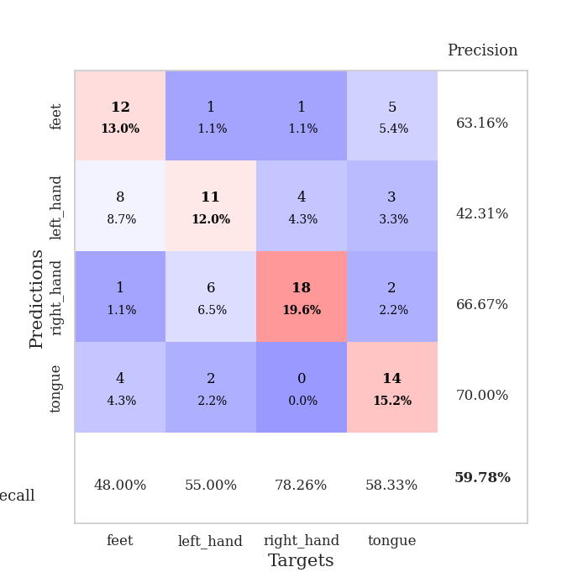
0.45808268889 | 1.3375226389 | 0.92663043478 | 0.5652173913 | 0.0798163414 | 92.663043478 | 56.52173913
0.401236205 | 1.3501154534 | 0.90217391304 | 0.54347826087 | 0.079880952835 | 90.217391304 | 54.347826087
0.39994438414 | 1.335631583 | 0.88858695652 | 0.52173913043 | 0.079917907715 | 88.858695652 | 52.173913043
0.32392156999 | 1.4518884291 | 0.88586956522 | 0.54347826087 | 0.079831361771 | 88.586956522 | 54.347826087
0.39421052162 | 1.4138946663 | 0.89130434783 | 0.5652173913 | 0.079893112183 | 89.130434783 | 56.52173913
0.35708113663 | 1.4453331362 | 0.88858695652 | 0.5652173913 | 0.079848766327 | 88.858695652 | 56.52173913
0.40567535486 | 1.361392384 | 0.92391304348 | 0.54347826087 | 0.079829216003 | 92.391304348 | 54.347826087
0.36334692914 | 1.4505616556 | 0.84510869565 | 0.54347826087 | 0.079982280731 | 84.510869565 | 54.347826087
0.31483671102 | 1.5085529037 | 0.88043478261 | 0.55434782609 | 0.079899072647 | 88.043478261 | 55.434782609
0.28589030258 | 1.6047620462 | 0.88858695652 | 0.53260869565 | 0.079852819443 | 88.858695652 | 53.260869565
0.27994271141 | 1.7033571445 | 0.84510869565 | 0.52173913043 | 0.079726696014 | 84.510869565 | 52.173913043
0.27320430849 | 1.5960403448 | 0.90217391304 | 0.5 | 0.082591533661 | 90.217391304 | 50
0.30306636315 | 1.4770771343 | 0.92119565217 | 0.57608695652 | 0.080220937729 | 92.119565217 | 57.608695652
0.22140499982 | 1.5427763954 | 0.92663043478 | 0.53260869565 | 0.080237388611 | 92.663043478 | 53.260869565
0.25147264969 | 1.4457296289 | 0.9375 | 0.55434782609 | 0.079971790314 | 93.75 | 55.434782609
0.23557194776 | 1.5474684394 | 0.91576086957 | 0.53260869565 | 0.080182790756 | 91.576086957 | 53.260869565
0.23570487502 | 1.5647074528 | 0.91576086957 | 0.57608695652 | 0.080156564713 | 91.576086957 | 57.608695652
0.24005942144 | 1.5502276524 | 0.9375 | 0.54347826087 | 0.080095529556 | 93.75 | 54.347826087
0.28258119945 | 1.4915682466 | 0.9402173913 | 0.55434782609 | 0.080171108246 | 94.02173913 | 55.434782609
0.23886237893 | 1.5059997595 | 0.94565217391 | 0.54347826087 | 0.079998731613 | 94.565217391 | 54.347826087
0.21312109316 | 1.5125515539 | 0.95380434783 | 0.53260869565 | 0.079959630966 | 95.380434783 | 53.260869565
0.21830711757 | 1.5236647285 | 0.94836956522 | 0.53260869565 | 0.080050945282 | 94.836956522 | 53.260869565
0.20913435843 | 1.5185799469 | 0.94565217391 | 0.57608695652 | 0.080099821091 | 94.565217391 | 57.608695652
0.21793525617 | 1.5631998389 | 0.9402173913 | 0.5652173913 | 0.080019235611 | 94.02173913 | 56.52173913
0.2276923535 | 1.561582783 | 0.93206521739 | 0.5652173913 | 0.07994055748 | 93.206521739 | 56.52173913
0.20728820498 | 1.5394196173 | 0.94565217391 | 0.54347826087 | 0.079995393753 | 94.565217391 | 54.347826087
0.20070197498 | 1.5499854166 | 0.9402173913 | 0.55434782609 | 0.079993486404 | 94.02173913 | 55.434782609
0.22926274201 | 1.5469070958 | 0.9402173913 | 0.55434782609 | 0.080588817596 | 94.02173913 | 55.434782609
0.17687692647 | 1.5414518403 | 0.9375 | 0.55434782609 | 0.079976797104 | 93.75 | 55.434782609
0.18719971812 | 1.5362747182 | 0.9402173913 | 0.55434782609 | 0.080218076706 | 94.02173913 | 55.434782609
0.20896078468 | 1.5335788649 | 0.94565217391 | 0.55434782609 | 0.080240726471 | 94.565217391 | 55.434782609
0.20615213753 | 1.5288583092 | 0.94565217391 | 0.55434782609 | 0.080012798309 | 94.565217391 | 55.434782609

Best Val accuracy is 0.5760869565217391 and Best test accuracy is 0.5431034482758621
train_loss | valid_loss | train_accuracy | valid_accuracy | dur | train_misclass | valid_misclass
1.7225385749 | 1.5089880902 | 0.2527173913 | 0.26086956522 | 0.21111512184 | 25.27173913 | 26.086956522
1.1576183983 | 1.3970815669 | 0.25543478261 | 0.21739130435 | 0.21022319794 | 25.543478261 | 21.739130435
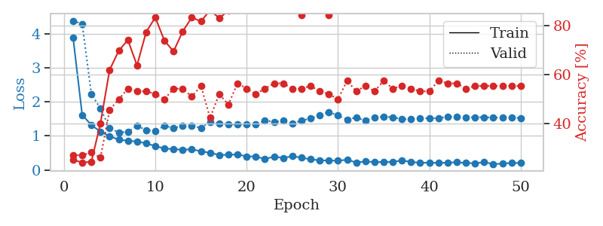
1.1810092874 | 1.4137308649 | 0.24184782609 | 0.27173913043 | 0.20986461639 | 24.184782609 | 27.173913043
1.1834655015 | 1.5183614492 | 0.25543478261 | 0.21739130435 | 0.21095347404 | 25.543478261 | 21.739130435
1.1947055563 | 1.7739085166 | 0.25543478261 | 0.21739130435 | 0.20830869675 | 25.543478261 | 21.739130435
1.2217479115 | 2.0060269625 | 0.25543478261 | 0.21739130435 | 0.21228837967 | 25.543478261 | 21.739130435
1.157118831 | 2.3369495765 | 0.25543478261 | 0.21739130435 | 0.21012449265 | 25.543478261 | 21.739130435
1.0619914661 | 2.5112640236 | 0.25543478261 | 0.21739130435 | 0.21167254448 | 25.543478261 | 21.739130435
1.0911745144 | 2.9786541047 | 0.25543478261 | 0.21739130435 | 0.20912456512 | 25.543478261 | 21.739130435
1.1044396991 | 2.725834463 | 0.25543478261 | 0.21739130435 | 0.209597826 | 25.543478261 | 21.739130435
1.0458456511 | 2.3639907526 | 0.25543478261 | 0.21739130435 | 0.20906233788 | 25.543478261 | 21.739130435
1.0421012148 | 2.4940265676 | 0.25543478261 | 0.21739130435 | 0.21088480949 | 25.543478261 | 21.739130435
1.0186590552 | 2.5565709238 | 0.25543478261 | 0.21739130435 | 0.21125912666 | 25.543478261 | 21.739130435
1.0844944145 | 2.884282703 | 0.25543478261 | 0.21739130435 | 0.21338629723 | 25.543478261 | 21.739130435
1.0029888568 | 2.5166993141 | 0.25543478261 | 0.21739130435 | 0.21128869057 | 25.543478261 | 21.739130435
1.1297359026 | 2.5361393431 | 0.25543478261 | 0.21739130435 | 0.20953965187 | 25.543478261 | 21.739130435
1.0199010139 | 2.0146019459 | 0.25543478261 | 0.21739130435 | 0.21076130867 | 25.543478261 | 21.739130435
1.0677523198 | 2.598049537 | 0.25543478261 | 0.21739130435 | 0.21176552773 | 25.543478261 | 21.739130435
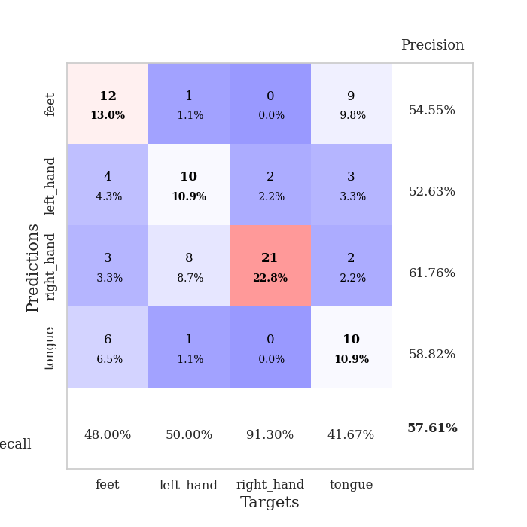
0.9277544203 | 2.4635124725 | 0.25543478261 | 0.21739130435 | 0.20902371407 | 25.543478261 | 21.739130435
0.94472397151 | 2.769428305 | 0.25543478261 | 0.21739130435 | 0.21178674698 | 25.543478261 | 21.739130435
0.96986223822 | 2.9510848419 | 0.25543478261 | 0.21739130435 | 0.21270561218 | 25.543478261 | 21.739130435
1.0008400705 | 3.2808120043 | 0.25543478261 | 0.21739130435 | 0.21029877663 | 25.543478261 | 21.739130435
1.1068442593 | 2.6071199645 | 0.25543478261 | 0.21739130435 | 0.21197915077 | 25.543478261 | 21.739130435
1.0180588235 | 3.3455242385 | 0.25543478261 | 0.21739130435 | 0.21047544479 | 25.543478261 | 21.739130435
0.96247083208 | 2.8862058494 | 0.25543478261 | 0.21739130435 | 0.21016812325 | 25.543478261 | 21.739130435
0.99456950633 | 3.3037309647 | 0.25543478261 | 0.21739130435 | 0.21056509018 | 25.543478261 | 21.739130435
0.92359103198 | 3.3349929063 | 0.25543478261 | 0.21739130435 | 0.21089100838 | 25.543478261 | 21.739130435
1.027364267 | 1.5315712224 | 0.25543478261 | 0.21739130435 | 0.2099905014 | 25.543478261 | 21.739130435
0.9697881937 | 1.0004820616 | 0.4972826087 | 0.48913043478 | 0.21008896828 | 49.72826087 | 48.913043478
0.95951576337 | 1.1013895273 | 0.25543478261 | 0.21739130435 | 0.21257519722 | 25.543478261 | 21.739130435
0.90518842054 | 1.0326573486 | 0.50815217391 | 0.47826086957 | 0.21132922173 | 50.815217391 | 47.826086957
0.93160682917 | 1.8354673956 | 0.2527173913 | 0.26086956522 | 0.2128777504 | 25.27173913 | 26.086956522
0.86282080412 | 3.0376914791 | 0.2527173913 | 0.26086956522 | 0.21176624298 | 25.27173913 | 26.086956522
0.93499000954 | 2.9929131321 | 0.2527173913 | 0.26086956522 | 0.21086239815 | 25.27173913 | 26.086956522
0.96997132768 | 2.2400071103 | 0.2527173913 | 0.26086956522 | 0.20935583115 | 25.27173913 | 26.086956522
0.94641523776 | 1.5694830107 | 0.2527173913 | 0.26086956522 | 0.21211743355 | 25.27173913 | 26.086956522
0.84897494446 | 1.4180108775 | 0.2527173913 | 0.26086956522 | 0.21265411377 | 25.27173913 | 26.086956522
0.86534602746 | 1.3121523857 | 0.2527173913 | 0.26086956522 | 0.21274280548 | 25.27173913 | 26.086956522
0.87851172945 | 1.9365837056 | 0.2527173913 | 0.26086956522 | 0.21323227882 | 25.27173913 | 26.086956522
0.92061568602 | 1.9542460286 | 0.2527173913 | 0.26086956522 | 0.20921826363 | 25.27173913 | 26.086956522
0.92866838756 | 1.7449504863 | 0.2527173913 | 0.26086956522 | 0.20915770531 | 25.27173913 | 26.086956522
0.95250578808 | 1.4142643265 | 0.2527173913 | 0.26086956522 | 0.21053338051 | 25.27173913 | 26.086956522
0.91289112101 | 0.93341500863 | 0.51086956522 | 0.47826086957 | 0.21074509621 | 51.086956522 | 47.826086957
0.81600237281 | 0.85174093298 | 0.75815217391 | 0.72826086957 | 0.20789337158 | 75.815217391 | 72.826086957
0.87895539533 | 0.85962593815 | 0.75815217391 | 0.72826086957 | 0.21298027039 | 75.815217391 | 72.826086957
0.8289513588 | 0.86974920397 | 0.75815217391 | 0.72826086957 | 0.20910000801 | 75.815217391 | 72.826086957
0.92174033497 | 0.9153779486 | 0.51086956522 | 0.47826086957 | 0.2108039856 | 51.086956522 | 47.826086957
0.88278700217 | 0.9702561083 | 0.50815217391 | 0.47826086957 | 0.21053671837 | 50.815217391 | 47.826086957
0.91224204198 | 1.0200149857 | 0.25543478261 | 0.21739130435 | 0.20634794235 | 25.543478261 | 21.739130435
0.92339467225 | 1.0572041377 | 0.25543478261 | 0.21739130435 | 0.21343183517 | 25.543478261 | 21.739130435

Best Val accuracy is 0.7282608695652174 and Best test accuracy is 0.7413793103448276

Sheet5
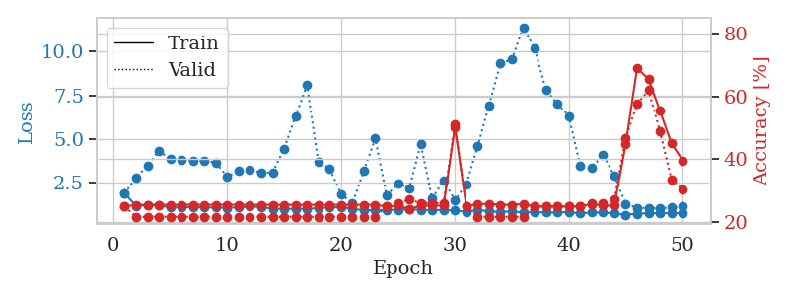
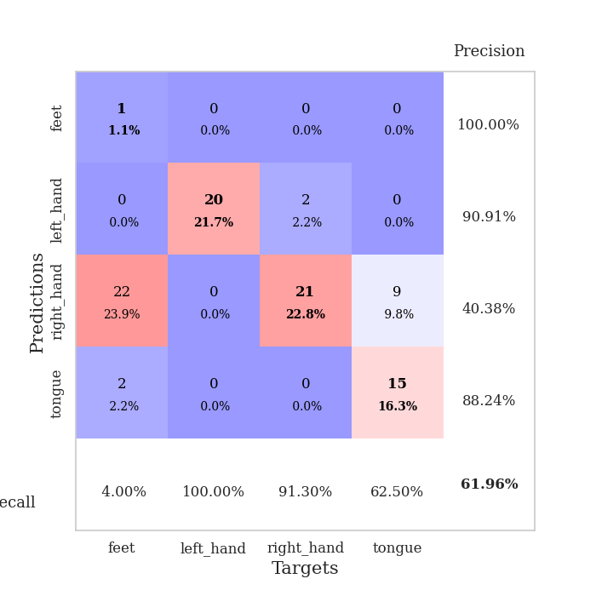
train_loss | valid_loss | train_accuracy | valid_accuracy | dur | train_misclass | valid_misclass
4.0594113029 | 2.6732225314 | 0.33152173913 | 0.41304347826 | 0.082334518433 | 33.152173913 | 41.304347826
1.664924264 | 2.0265044181 | 0.28804347826 | 0.29347826087 | 0.080310821533 | 28.804347826 | 29.347826087
1.3337724364 | 1.7839574607 | 0.29347826087 | 0.30434782609 | 0.079744577408 | 29.347826087 | 30.434782609
1.053841438 | 1.6184097321 | 0.39945652174 | 0.36956521739 | 0.080083608627 | 39.945652174 | 36.956521739
0.9115019933 | 1.246702189 | 0.61141304348 | 0.44565217391 | 0.080072879791 | 61.141304348 | 44.565217391
0.83768732911 | 1.2983406678 | 0.64402173913 | 0.47826086957 | 0.080161571503 | 64.402173913 | 47.826086957
0.84207636377 | 1.1893425454 | 0.73913043478 | 0.47826086957 | 0.080373287201 | 73.913043478 | 47.826086957
0.70745465159 | 1.1770149832 | 0.75 | 0.5 | 0.080119609833 | 75 | 50
0.73010120962 | 1.1101922471 | 0.81793478261 | 0.54347826087 | 0.080142259598 | 81.793478261 | 54.347826087
0.67087240841 | 1.1358406621 | 0.82065217391 | 0.5652173913 | 0.080279350281 | 82.065217391 | 56.52173913
0.60977339356 | 1.1943707673 | 0.78260869565 | 0.58695652174 | 0.08035326004 | 78.260869565 | 58.695652174
0.58055540919 | 1.2491557365 | 0.80434782609 | 0.54347826087 | 0.080615997314 | 80.434782609 | 54.347826087
0.46981743367 | 1.4925985544 | 0.78804347826 | 0.46739130435 | 0.080551862717 | 78.804347826 | 46.739130435
0.58004527507 | 1.2014584645 | 0.88858695652 | 0.53260869565 | 0.080532312393 | 88.858695652 | 53.260869565
0.5395627566 | 1.2471767327 | 0.89130434783 | 0.5 | 0.080258131027 | 89.130434783 | 50
0.51850685607 | 1.362884734 | 0.8125 | 0.55434782609 | 0.08021235466 | 81.25 | 55.434782609
0.49397766331 | 1.5314123916 | 0.7472826087 | 0.48913043478 | 0.081721782684 | 74.72826087 | 48.913043478
0.40884607253 | 1.2213521418 | 0.88858695652 | 0.5652173913 | 0.079220533371 | 88.858695652 | 56.52173913
0.40170358607 | 1.1814029878 | 0.88858695652 | 0.60869565217 | 0.079290866852 | 88.858695652 | 60.869565217
0.3382810283 | 1.1912083107 | 0.91847826087 | 0.5652173913 | 0.079349517822 | 91.847826087 | 56.52173913
0.33061410454 | 1.2009462092 | 0.89945652174 | 0.60869565217 | 0.07967877388 | 89.945652174 | 60.869565217
0.3783860848 | 1.2341755758 | 0.9402173913 | 0.46739130435 | 0.07930970192 | 94.02173913 | 46.739130435
0.31783768664 | 1.2364165913 | 0.92119565217 | 0.54347826087 | 0.079252004623 | 92.119565217 | 54.347826087
0.34030683209 | 1.1444016073 | 0.95923913043 | 0.64130434783 | 0.079217433929 | 95.923913043 | 64.130434783
0.27093627401 | 1.1632904929 | 0.95923913043 | 0.61956521739 | 0.081931591034 | 95.923913043 | 61.956521739
0.27844092412 | 1.1515513529 | 0.92934782609 | 0.59782608696 | 0.080346822739 | 92.934782609 | 59.782608696
0.21892029501 | 1.1095286154 | 0.92391304348 | 0.64130434783 | 0.080552339554 | 92.391304348 | 64.130434783
0.25352308899 | 1.1332285586 | 0.95108695652 | 0.63043478261 | 0.080315828323 | 95.108695652 | 63.043478261
0.24050119373 | 1.2357404802 | 0.91032608696 | 0.63043478261 | 0.080114841461 | 91.032608696 | 63.043478261
0.22661407697 | 1.1684786988 | 0.95652173913 | 0.60869565217 | 0.080352544785 | 95.652173913 | 60.869565217
0.19699596338 | 1.1877072376 | 0.96195652174 | 0.60869565217 | 0.080239772797 | 96.195652174 | 60.869565217
0.23740152367 | 1.1399412777 | 0.94293478261 | 0.63043478261 | 0.080376148224 | 94.293478261 | 63.043478261
0.23490198961 | 1.1494426455 | 0.98369565217 | 0.66304347826 | 0.080122232437 | 98.369565217 | 66.304347826
0.19212600313 | 1.1800798541 | 0.96739130435 | 0.63043478261 | 0.080828666687 | 96.739130435 | 63.043478261
0.17341381247 | 1.188212545 | 0.95923913043 | 0.63043478261 | 0.080405235291 | 95.923913043 | 63.043478261
0.17248106715 | 1.1879995997 | 0.95923913043 | 0.61956521739 | 0.080233812332 | 95.923913043 | 61.956521739
0.19097169813 | 1.24772742 | 0.95108695652 | 0.64130434783 | 0.080017566681 | 95.108695652 | 64.130434783
0.18037835557 | 1.2023365031 | 0.97554347826 | 0.63043478261 | 0.080295085907 | 97.554347826 | 63.043478261
0.16276391822 | 1.1578867293 | 0.97826086957 | 0.64130434783 | 0.080294370651 | 97.826086957 | 64.130434783
0.17134511422 | 1.1734980047 | 0.97282608696 | 0.63043478261 | 0.080444335938 | 97.282608696 | 63.043478261
0.21114576673 | 1.2296643374 | 0.96195652174 | 0.61956521739 | 0.080300092697 | 96.195652174 | 61.956521739
0.15255085768 | 1.1972513393 | 0.97554347826 | 0.63043478261 | 0.08042216301 | 97.554347826 | 63.043478261
0.17407153603 | 1.1712942266 | 0.97826086957 | 0.61956521739 | 0.080262899399 | 97.826086957 | 61.956521739
0.15976298568 | 1.1813350074 | 0.97826086957 | 0.61956521739 | 0.080179214478 | 97.826086957 | 61.956521739
0.15176635932 | 1.1839692398 | 0.97826086957 | 0.61956521739 | 0.080154180527 | 97.826086957 | 61.956521739
0.14442674718 | 1.1889154807 | 0.97554347826 | 0.61956521739 | 0.080273151398 | 97.554347826 | 61.956521739
0.16153599711 | 1.1919935061 | 0.97554347826 | 0.63043478261 | 0.080302000046 | 97.554347826 | 63.043478261
0.15377877904 | 1.191167514 | 0.97554347826 | 0.63043478261 | 0.080235958099 | 97.554347826 | 63.043478261
0.16630394206 | 1.1904426139 | 0.97826086957 | 0.63043478261 | 0.080361604691 | 97.826086957 | 63.043478261
0.18964731855 | 1.1901217531 | 0.97826086957 | 0.63043478261 | 0.080290317535 | 97.826086957 | 63.043478261

Best Val accuracy is 0.6630434782608695 and Best test accuracy is 0.5517241379310345
train_loss | valid_loss | train_accuracy | valid_accuracy | dur | train_misclass | valid_misclass
2.5769467717 | 6.3533494576 | 0.25 | 0.25 | 0.081728458405 | 25 | 25
1.5347160101 | 2.7676798779 | 0.25543478261 | 0.26086956522 | 0.079840660095 | 25.543478261 | 26.086956522
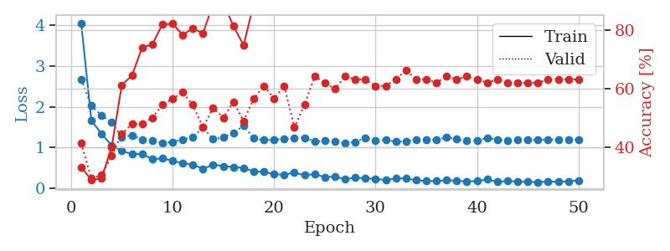
1.3249634712 | 1.9226059551 | 0.3125 | 0.3152173913 | 0.079621553421 | 31.25 | 31.52173913
1.0264783968 | 1.7133449834 | 0.40217391304 | 0.39130434783 | 0.080800056458 | 40.217391304 | 39.130434783
0.92063085152 | 1.5183063124 | 0.47826086957 | 0.44565217391 | 0.080894947052 | 47.826086957 | 44.565217391
0.77906685161 | 1.244146189 | 0.65760869565 | 0.51086956522 | 0.080328464508 | 65.760869565 | 51.086956522
0.76140426942 | 1.1615192268 | 0.75815217391 | 0.46739130435 | 0.07986497879 | 75.815217391 | 46.739130435
0.80230558437 | 1.2687055261 | 0.78260869565 | 0.46739130435 | 0.079713582993 | 78.260869565 | 46.739130435
0.65867214747 | 1.1997294867 | 0.8097826087 | 0.53260869565 | 0.079639434814 | 80.97826087 | 53.260869565
0.6376649556 | 1.1922317044 | 0.8125 | 0.5652173913 | 0.079718828201 | 81.25 | 56.52173913
0.60482478012 | 1.2348585634 | 0.88858695652 | 0.48913043478 | 0.079699754715 | 88.858695652 | 48.913043478
0.59665164157 | 1.2098204468 | 0.88586956522 | 0.44565217391 | 0.079617261887 | 88.586956522 | 44.565217391
0.54849577339 | 1.2490388038 | 0.91847826087 | 0.51086956522 | 0.079746246338 | 91.847826087 | 51.086956522
0.53518750486 | 1.2155229942 | 0.91576086957 | 0.46739130435 | 0.079928398132 | 91.576086957 | 46.739130435
0.48650303677 | 1.6377342343 | 0.74184782609 | 0.40217391304 | 0.080103158951 | 74.184782609 | 40.217391304
0.44958110542 | 1.3409130988 | 0.89673913043 | 0.48913043478 | 0.080122709274 | 89.673913043 | 48.913043478
0.41464422514 | 1.4756443578 | 0.89402173913 | 0.5 | 0.080003499985 | 89.402173913 | 50
0.47291257265 | 1.3990476261 | 0.86413043478 | 0.47826086957 | 0.079911470413 | 86.413043478 | 47.826086957
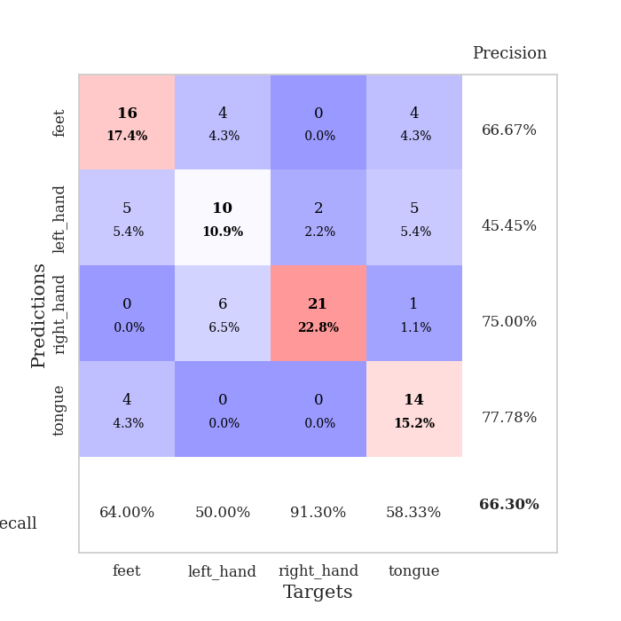
0.45217977205 | 1.2394698975 | 0.92391304348 | 0.52173913043 | 0.079844474792 | 92.391304348 | 52.173913043
0.39891052894 | 1.3317587777 | 0.91304347826 | 0.54347826087 | 0.079805135727 | 91.304347826 | 54.347826087
0.37823848038 | 1.3092599472 | 0.92391304348 | 0.53260869565 | 0.079834699631 | 92.391304348 | 53.260869565
0.42860485678 | 1.3946391772 | 0.91304347826 | 0.46739130435 | 0.079855680466 | 91.304347826 | 46.739130435
0.35523356368 | 1.4273256724 | 0.89945652174 | 0.51086956522 | 0.079760789871 | 89.945652174 | 51.086956522
0.3250005242 | 1.2262891155 | 0.98097826087 | 0.48913043478 | 0.0799908638 | 98.097826087 | 48.913043478
0.28975370623 | 1.6083667097 | 0.84510869565 | 0.48913043478 | 0.079827308655 | 84.510869565 | 48.913043478
0.31188630475 | 1.3399884623 | 0.94836956522 | 0.52173913043 | 0.080057144165 | 94.836956522 | 52.173913043
0.26034457431 | 1.4106374111 | 0.95923913043 | 0.51086956522 | 0.079870223999 | 95.923913043 | 51.086956522
0.29364551928 | 1.3483266468 | 0.98641304348 | 0.53260869565 | 0.08002781868 | 98.641304348 | 53.260869565
0.24171416461 | 1.607184265 | 0.90760869565 | 0.48913043478 | 0.079837322235 | 90.760869565 | 48.913043478
0.2764287876 | 1.3445462973 | 0.97010869565 | 0.5 | 0.080000162125 | 97.010869565 | 50
0.25937275459 | 1.6102135648 | 0.92663043478 | 0.48913043478 | 0.079847335815 | 92.663043478 | 48.913043478
0.24304571651 | 1.4835652683 | 0.95923913043 | 0.51086956522 | 0.079832792282 | 95.923913043 | 51.086956522
0.27577828778 | 1.5915332864 | 0.9375 | 0.5 | 0.079958677292 | 93.75 | 50
0.25136653739 | 1.4781983812 | 0.95108695652 | 0.51086956522 | 0.080003023148 | 95.108695652 | 51.086956522
0.20374616916 | 1.7140821517 | 0.90217391304 | 0.51086956522 | 0.079880714417 | 90.217391304 | 51.086956522
0.24625555685 | 1.5272000529 | 0.93206521739 | 0.55434782609 | 0.079842567444 | 93.206521739 | 55.434782609
0.21654674152 | 1.725658729 | 0.91032608696 | 0.52173913043 | 0.080008745193 | 91.032608696 | 52.173913043
0.23071562871 | 1.5032391943 | 0.95108695652 | 0.51086956522 | 0.079768657684 | 95.108695652 | 51.086956522
0.20257257217 | 1.5305289192 | 0.95380434783 | 0.52173913043 | 0.080109119415 | 95.380434783 | 52.173913043
0.22118942909 | 1.5556006756 | 0.94836956522 | 0.51086956522 | 0.07990694046 | 94.836956522 | 51.086956522
0.2047280376 | 1.5280263839 | 0.94836956522 | 0.52173913043 | 0.079835891724 | 94.836956522 | 52.173913043
0.19708880717 | 1.5580983045 | 0.94836956522 | 0.52173913043 | 0.08013010025 | 94.836956522 | 52.173913043
0.21749102195 | 1.5154512894 | 0.95652173913 | 0.52173913043 | 0.080183744431 | 95.652173913 | 52.173913043
0.18641453933 | 1.527248459 | 0.95652173913 | 0.53260869565 | 0.080058813095 | 95.652173913 | 53.260869565
0.23805560074 | 1.5217051817 | 0.95652173913 | 0.52173913043 | 0.079968690872 | 95.652173913 | 52.173913043
0.1855410007 | 1.5269051998 | 0.95652173913 | 0.52173913043 | 0.079958438873 | 95.652173913 | 52.173913043
0.21593360408 | 1.5254061863 | 0.95652173913 | 0.52173913043 | 0.082067251205 | 95.652173913 | 52.173913043
0.19448140652 | 1.5188072408 | 0.95652173913 | 0.52173913043 | 0.079285144806 | 95.652173913 | 52.173913043
0.19807589184 | 1.5136221835 | 0.95652173913 | 0.52173913043 | 0.079768657684 | 95.652173913 | 52.173913043
0.20891664274 | 1.5095146771 | 0.95652173913 | 0.52173913043 | 0.079467535019 | 95.652173913 | 52.173913043

Best Val accuracy is 0.5652173913043478 and Best test accuracy is 0.5603448275862069
train_loss | valid_loss | train_accuracy | valid_accuracy | dur | train_misclass | valid_misclass
1.8898128738 | 1.8775959222 | 0.25 | 0.25 | 0.20702672005 | 25 | 25
1.1670251126 | 2.8095940611 | 0.25543478261 | 0.21739130435 | 0.20905709267 | 25.543478261 | 21.739130435
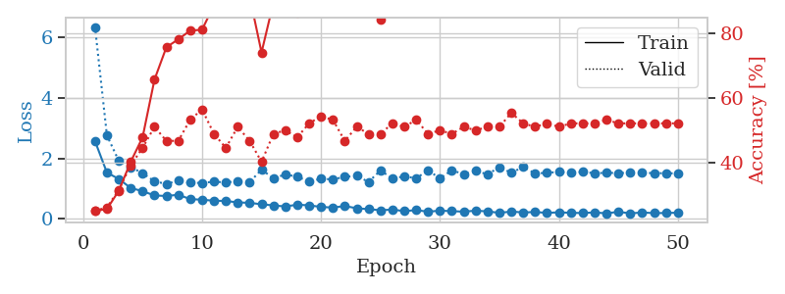
1.2199816885 | 3.4596120897 | 0.25543478261 | 0.21739130435 | 0.21081018448 | 25.543478261 | 21.739130435
1.2095237297 | 4.3115858202 | 0.25543478261 | 0.21739130435 | 0.21150970459 | 25.543478261 | 21.739130435
1.0772163168 | 3.8708854136 | 0.25543478261 | 0.21739130435 | 0.21144223213 | 25.543478261 | 21.739130435
1.0972370246 | 3.7923475556 | 0.25543478261 | 0.21739130435 | 0.21040344238 | 25.543478261 | 21.739130435
1.0902125602 | 3.7357196393 | 0.25543478261 | 0.21739130435 | 0.21027517319 | 25.543478261 | 21.739130435
1.09559232 | 3.7495696648 | 0.25543478261 | 0.21739130435 | 0.21026849747 | 25.543478261 | 21.739130435
1.0711790453 | 3.6595378233 | 0.25543478261 | 0.21739130435 | 0.20911645889 | 25.543478261 | 21.739130435
1.0690259052 | 2.8454378791 | 0.25543478261 | 0.21739130435 | 0.21288990974 | 25.543478261 | 21.739130435
1.0838145562 | 3.1801319019 | 0.25543478261 | 0.21739130435 | 0.21712422371 | 25.543478261 | 21.739130435
1.1342751125 | 3.2504906343 | 0.25543478261 | 0.21739130435 | 0.21130824089 | 25.543478261 | 21.739130435
1.1089402619 | 3.0711613427 | 0.25543478261 | 0.21739130435 | 0.20999526978 | 25.543478261 | 21.739130435
1.0119324119 | 3.0893718574 | 0.25543478261 | 0.21739130435 | 0.2104101181 | 25.543478261 | 21.739130435
1.0074320306 | 4.4458779045 | 0.25543478261 | 0.21739130435 | 0.21244263649 | 25.543478261 | 21.739130435
1.002332988 | 6.2904018112 | 0.25543478261 | 0.21739130435 | 0.21273732185 | 25.543478261 | 21.739130435
1.0073157005 | 8.0788671245 | 0.25543478261 | 0.21739130435 | 0.21090102196 | 25.543478261 | 21.739130435
1.0439244146 | 3.6933858809 | 0.25543478261 | 0.21739130435 | 0.21023392677 | 25.543478261 | 21.739130435
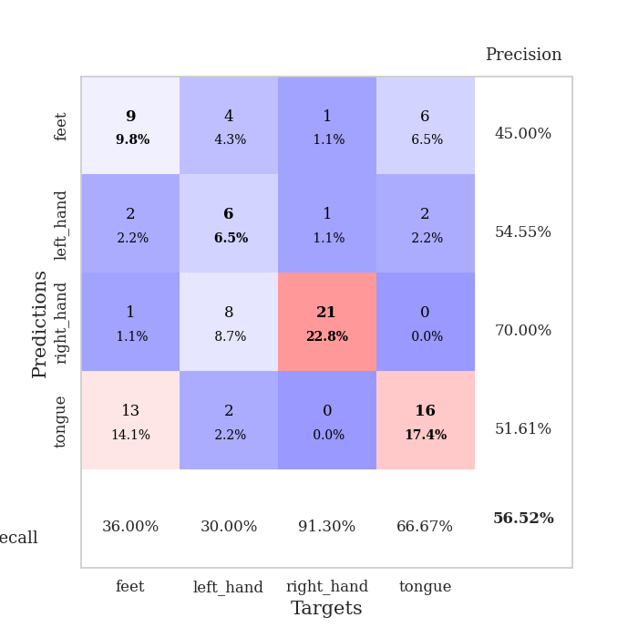
1.0986550321 | 3.3125128642 | 0.25543478261 | 0.21739130435 | 0.21074008942 | 25.543478261 | 21.739130435
1.0917090359 | 1.8547060334 | 0.25543478261 | 0.21739130435 | 0.21005487442 | 25.543478261 | 21.739130435
1.0141231755 | 1.3232113382 | 0.25543478261 | 0.21739130435 | 0.21591043472 | 25.543478261 | 21.739130435
0.91599140997 | 3.1904202337 | 0.25543478261 | 0.21739130435 | 0.21165323257 | 25.543478261 | 21.739130435
0.92877916409 | 5.0304254656 | 0.25543478261 | 0.21739130435 | 0.21196508408 | 25.543478261 | 21.739130435
0.94242130933 | 1.7673750908 | 0.25 | 0.25 | 0.21128487587 | 25 | 25
0.95202264838 | 2.4645653497 | 0.2527173913 | 0.26086956522 | 0.21220064163 | 25.27173913 | 26.086956522
0.97975908414 | 2.1905319432 | 0.24184782609 | 0.27173913043 | 0.21374559402 | 24.184782609 | 27.173913043
0.95301580947 | 4.7220890004 | 0.2527173913 | 0.26086956522 | 0.21514225006 | 25.27173913 | 26.086956522
0.92551718847 | 1.5896321742 | 0.2527173913 | 0.26086956522 | 0.21163511276 | 25.27173913 | 26.086956522
0.95113497454 | 2.6437146145 | 0.2527173913 | 0.26086956522 | 0.21161103249 | 25.27173913 | 26.086956522
0.91199372126 | 1.481908254 | 0.5027173913 | 0.51086956522 | 0.2154173851 | 50.27173913 | 51.086956522
0.84022112644 | 2.4187174362 | 0.25 | 0.25 | 0.20728516579 | 25 | 25
0.92366572308 | 4.5806905705 | 0.25815217391 | 0.21739130435 | 0.20977497101 | 25.815217391 | 21.739130435
0.88441323197 | 6.9312607102 | 0.25815217391 | 0.21739130435 | 0.21111345291 | 25.815217391 | 21.739130435
0.81995519607 | 9.3156359714 | 0.25543478261 | 0.21739130435 | 0.21093177795 | 25.543478261 | 21.739130435
0.87191268672 | 9.5661717705 | 0.25543478261 | 0.21739130435 | 0.21164798737 | 25.543478261 | 21.739130435
0.79111153276 | 11.400216849 | 0.25815217391 | 0.21739130435 | 0.2100944519 | 25.815217391 | 21.739130435
0.81636790607 | 10.185118758 | 0.25 | 0.25 | 0.21023368835 | 25 | 25
0.80151334016 | 7.7934290637 | 0.25 | 0.25 | 0.20866584778 | 25 | 25
0.78906568496 | 7.0308074744 | 0.25 | 0.25 | 0.21013641357 | 25 | 25
0.82479768991 | 6.3182991691 | 0.25 | 0.25 | 0.20871829987 | 25 | 25
0.74172373829 | 3.4600682466 | 0.25 | 0.25 | 0.20951843262 | 25 | 25
0.79586765818 | 3.352139276 | 0.25815217391 | 0.26086956522 | 0.20929288864 | 25.815217391 | 26.086956522
0.791515822 | 4.0993950056 | 0.2527173913 | 0.26086956522 | 0.21096634865 | 25.27173913 | 26.086956522
0.74276099646 | 2.9060177907 | 0.2527173913 | 0.27173913043 | 0.2101418972 | 25.27173913 | 27.173913043
0.66237608894 | 1.2746137536 | 0.44836956522 | 0.46739130435 | 0.2102329731 | 44.836956522 | 46.739130435
0.7294413564 | 1.0668809284 | 0.6902173913 | 0.57608695652 | 0.21073246002 | 69.02173913 | 57.608695652
0.75683131425 | 1.0397700097 | 0.65489130435 | 0.61956521739 | 0.21203017235 | 65.489130435 | 61.956521739
0.75354129206 | 1.0257755388 | 0.55434782609 | 0.48913043478 | 0.21058011055 | 55.434782609 | 48.913043478
0.7580361768 | 1.0887598007 | 0.45108695652 | 0.33695652174 | 0.20928144455 | 45.108695652 | 33.695652174
0.74743022996 | 1.1290385827 | 0.39673913043 | 0.30434782609 | 0.21138834953 | 39.673913043 | 30.434782609

Best Val accuracy is 0.6195652173913043 and Best test accuracy is 0.6293103448275862

Sheet6
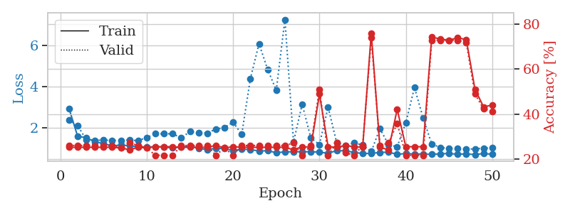
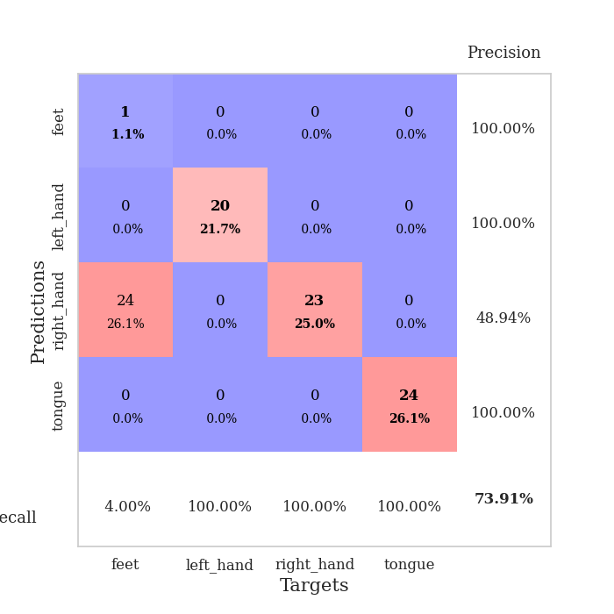
train_loss | valid_loss | train_accuracy | valid_accuracy | dur | train_misclass | valid_misclass
3.8356052637 | 5.4976452123 | 0.2527173913 | 0.26086956522 | 0.081988096237 | 25.27173913 | 26.086956522
1.503413076 | 2.8065236548 | 0.34239130435 | 0.29347826087 | 0.080834388733 | 34.239130435 | 29.347826087
1.1442306871 | 2.0396532598 | 0.33967391304 | 0.30434782609 | 0.080556631088 | 33.967391304 | 30.434782609
0.99328850404 | 1.1291948013 | 0.63043478261 | 0.5 | 0.080197095871 | 63.043478261 | 50
0.9071908334 | 1.1812241362 | 0.64945652174 | 0.46739130435 | 0.080362558365 | 64.945652174 | 46.739130435
0.78553096885 | 1.5053831961 | 0.60054347826 | 0.44565217391 | 0.080385446548 | 60.054347826 | 44.565217391
0.81071296723 | 1.1473569663 | 0.78804347826 | 0.51086956522 | 0.080538511276 | 78.804347826 | 51.086956522
0.67180535716 | 1.194710519 | 0.82880434783 | 0.46739130435 | 0.08101272583 | 82.880434783 | 46.739130435
0.7011274203 | 1.2699314097 | 0.8125 | 0.51086956522 | 0.080548286438 | 81.25 | 51.086956522
0.60800019684 | 1.2655570818 | 0.79347826087 | 0.47826086957 | 0.081044435501 | 79.347826087 | 47.826086957
0.60502514243 | 1.5167486823 | 0.74184782609 | 0.46739130435 | 0.080834388733 | 74.184782609 | 46.739130435
0.59553071597 | 1.3342550345 | 0.81793478261 | 0.47826086957 | 0.080718755722 | 81.793478261 | 47.826086957
0.62189153938 | 1.3003035447 | 0.86413043478 | 0.48913043478 | 0.080913543701 | 86.413043478 | 48.913043478
0.56550216027 | 1.311668041 | 0.85054347826 | 0.46739130435 | 0.080958366394 | 85.054347826 | 46.739130435
0.57685322217 | 1.2392016209 | 0.89402173913 | 0.47826086957 | 0.080832481384 | 89.402173913 | 47.826086957
0.56690369611 | 1.3585354971 | 0.84510869565 | 0.45652173913 | 0.08066868782 | 84.510869565 | 45.652173913
0.51207022434 | 1.5006445931 | 0.82608695652 | 0.45652173913 | 0.080719232559 | 82.608695652 | 45.652173913
0.53891380585 | 1.4563767936 | 0.85054347826 | 0.44565217391 | 0.080550670624 | 85.054347826 | 44.565217391
0.49141545399 | 1.3848616559 | 0.91304347826 | 0.48913043478 | 0.080746173859 | 91.304347826 | 48.913043478
0.45580697772 | 1.3676159486 | 0.91304347826 | 0.45652173913 | 0.080470323563 | 91.304347826 | 45.652173913
0.39022269521 | 1.4186660544 | 0.91576086957 | 0.42391304348 | 0.080939292908 | 91.576086957 | 42.391304348
0.48579713313 | 1.6006550685 | 0.82065217391 | 0.45652173913 | 0.080813884735 | 82.065217391 | 45.652173913
0.41445625995 | 1.4100198214 | 0.91576086957 | 0.5 | 0.080957174301 | 91.576086957 | 50
0.41462071046 | 1.4241340031 | 0.88858695652 | 0.47826086957 | 0.080732584 | 88.858695652 | 47.826086957
0.42581164707 | 1.4423790004 | 0.85326086957 | 0.5 | 0.08070898056 | 85.326086957 | 50
0.37273796194 | 1.6906434246 | 0.81793478261 | 0.46739130435 | 0.081114292145 | 81.793478261 | 46.739130435
0.40499362803 | 1.5804423042 | 0.86684782609 | 0.46739130435 | 0.081092357635 | 86.684782609 | 46.739130435
0.3965519401 | 1.5571003608 | 0.90217391304 | 0.5 | 0.080703496933 | 90.217391304 | 50
0.35433711371 | 1.6900825241 | 0.82880434783 | 0.52173913043 | 0.080732345581 | 82.880434783 | 52.173913043
0.37708487524 | 1.6284657302 | 0.8777173913 | 0.5 | 0.080684423447 | 87.77173913 | 50
0.35408026239 | 1.6799442017 | 0.84239130435 | 0.52173913043 | 0.080963611603 | 84.239130435 | 52.173913043
0.34731292044 | 1.7008794766 | 0.83423913043 | 0.47826086957 | 0.080807447433 | 83.423913043 | 47.826086957
0.29825640664 | 1.8329983794 | 0.77989130435 | 0.45652173913 | 0.080511808395 | 77.989130435 | 45.652173913
0.28202764366 | 1.8469565303 | 0.8097826087 | 0.46739130435 | 0.080530166626 | 80.97826087 | 46.739130435
0.32214904577 | 1.72162503 | 0.86413043478 | 0.46739130435 | 0.080857515335 | 86.413043478 | 46.739130435
0.33910586928 | 1.7318350776 | 0.83423913043 | 0.46739130435 | 0.080554246902 | 83.423913043 | 46.739130435
0.30890146157 | 1.8512855535 | 0.77989130435 | 0.44565217391 | 0.080685853958 | 77.989130435 | 44.565217391
0.33436564162 | 1.7058997154 | 0.86413043478 | 0.47826086957 | 0.080789327621 | 86.413043478 | 47.826086957
0.26261333149 | 1.7000605775 | 0.85326086957 | 0.5 | 0.08060336113 | 85.326086957 | 50
0.27016913891 | 1.7126212638 | 0.86141304348 | 0.51086956522 | 0.080534696579 | 86.141304348 | 51.086956522
0.3017307034 | 1.7150017826 | 0.84782608696 | 0.48913043478 | 0.080996751785 | 84.782608696 | 48.913043478
0.29121237702 | 1.6938336077 | 0.86413043478 | 0.51086956522 | 0.08046746254 | 86.413043478 | 51.086956522
0.27345174681 | 1.7174184504 | 0.86413043478 | 0.52173913043 | 0.080569267273 | 86.413043478 | 52.173913043
0.26543672318 | 1.7325288964 | 0.86413043478 | 0.52173913043 | 0.080562114716 | 86.413043478 | 52.173913043
0.26266365919 | 1.7396077099 | 0.85869565217 | 0.52173913043 | 0.081025838852 | 85.869565217 | 52.173913043
0.26789496062 | 1.7356015496 | 0.86413043478 | 0.52173913043 | 0.080559015274 | 86.413043478 | 52.173913043
0.25976740245 | 1.7277299425 | 0.86684782609 | 0.52173913043 | 0.080678701401 | 86.684782609 | 52.173913043
0.25956053837 | 1.7239727922 | 0.86956521739 | 0.52173913043 | 0.080686092377 | 86.956521739 | 52.173913043
0.2462294322 | 1.7208927455 | 0.86956521739 | 0.52173913043 | 0.080929040909 | 86.956521739 | 52.173913043
0.24771574949 | 1.7175512236 | 0.86956521739 | 0.51086956522 | 0.080590248108 | 86.956521739 | 51.086956522

Best Val accuracy is 0.5217391304347826 and Best test accuracy is 0.45689655172413796
train_loss | valid_loss | train_accuracy | valid_accuracy | dur | train_misclass | valid_misclass
3.807070815 | 1.9141719549 | 0.29619565217 | 0.26086956522 | 0.098320484161 | 29.619565217 | 26.086956522
1.5702193457 | 3.8600208656 | 0.26902173913 | 0.26086956522 | 0.091582775116 | 26.902173913 | 26.086956522
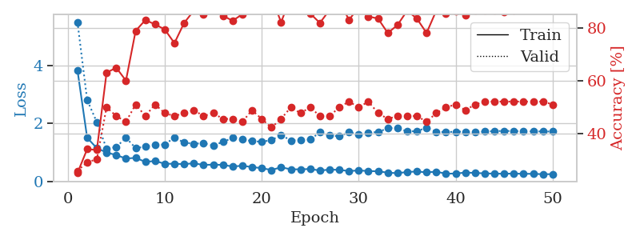
1.3095910368 | 2.8161502817 | 0.25543478261 | 0.26086956522 | 0.088134288788 | 25.543478261 | 26.086956522
1.1682671464 | 2.5266423122 | 0.27717391304 | 0.28260869565 | 0.081029176712 | 27.717391304 | 28.260869565
1.0110798582 | 1.4681894831 | 0.55163043478 | 0.35869565217 | 0.081459760666 | 55.163043478 | 35.869565217
0.94398599086 | 1.1992391348 | 0.61956521739 | 0.4347826087 | 0.081333398819 | 61.956521739 | 43.47826087
0.93420561759 | 1.1598685099 | 0.6847826087 | 0.58695652174 | 0.081121683121 | 68.47826087 | 58.695652174
0.80159576561 | 1.1303090427 | 0.77717391304 | 0.54347826087 | 0.081211328506 | 77.717391304 | 54.347826087
0.8052869789 | 1.2003080689 | 0.76086956522 | 0.54347826087 | 0.081006526947 | 76.086956522 | 54.347826087
0.68512102702 | 1.2152924615 | 0.77717391304 | 0.51086956522 | 0.0814640522 | 77.717391304 | 51.086956522
0.6712816837 | 1.3827872795 | 0.74456521739 | 0.48913043478 | 0.081216335297 | 74.456521739 | 48.913043478
0.60463725743 | 1.4173815458 | 0.70652173913 | 0.52173913043 | 0.081297159195 | 70.652173913 | 52.173913043
0.55366670956 | 1.5508023526 | 0.73369565217 | 0.45652173913 | 0.08143901825 | 73.369565217 | 45.652173913
0.50543552378 | 1.5985608386 | 0.76358695652 | 0.53260869565 | 0.081306695938 | 76.358695652 | 53.260869565
0.47679035301 | 1.3774559109 | 0.8722826087 | 0.53260869565 | 0.081185817719 | 87.22826087 | 53.260869565
0.46380853783 | 1.6514859692 | 0.80434782609 | 0.5 | 0.081009864807 | 80.434782609 | 50
0.48230607548 | 1.4185576543 | 0.875 | 0.5652173913 | 0.0811419487 | 87.5 | 56.52173913
0.44395819695 | 1.6182446402 | 0.85597826087 | 0.52173913043 | 0.081121921539 | 85.597826087 | 52.173913043
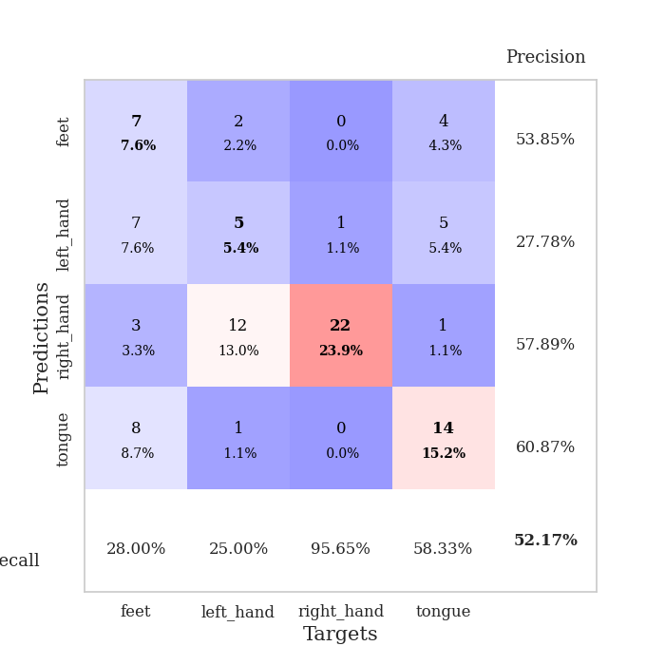
0.35855363018 | 1.6426067948 | 0.85054347826 | 0.53260869565 | 0.081019878387 | 85.054347826 | 53.260869565
0.32404424768 | 1.5636938344 | 0.8777173913 | 0.48913043478 | 0.081363201141 | 87.77173913 | 48.913043478
0.3522344711 | 1.7828405033 | 0.84239130435 | 0.5 | 0.081342935562 | 84.239130435 | 50
0.36900944684 | 1.5247354715 | 0.90217391304 | 0.51086956522 | 0.081120252609 | 90.217391304 | 51.086956522
0.31525823215 | 1.7085708328 | 0.83967391304 | 0.52173913043 | 0.081174373627 | 83.967391304 | 52.173913043
0.34410893237 | 1.6406764259 | 0.8777173913 | 0.53260869565 | 0.081229686737 | 87.77173913 | 53.260869565
0.35015491655 | 1.7575728841 | 0.84782608696 | 0.52173913043 | 0.081412553787 | 84.782608696 | 52.173913043
0.29229426611 | 1.5954616251 | 0.8722826087 | 0.53260869565 | 0.081139087677 | 87.22826087 | 53.260869565
0.30954962224 | 1.6874963589 | 0.88315217391 | 0.5652173913 | 0.081241846085 | 88.315217391 | 56.52173913
0.26004156956 | 1.7807986555 | 0.85597826087 | 0.55434782609 | 0.080985069275 | 85.597826087 | 55.434782609
0.31187779748 | 1.6528605689 | 0.88315217391 | 0.57608695652 | 0.081085681915 | 88.315217391 | 57.608695652
0.2709591758 | 1.8535423123 | 0.86141304348 | 0.53260869565 | 0.081112146378 | 86.141304348 | 53.260869565
0.23764423572 | 1.7267034676 | 0.89945652174 | 0.5652173913 | 0.081526517868 | 89.945652174 | 56.52173913
0.27145418006 | 1.5631084935 | 0.90217391304 | 0.53260869565 | 0.081726074219 | 90.217391304 | 53.260869565
0.25845884969 | 1.6197132987 | 0.89945652174 | 0.5652173913 | 0.081298828125 | 89.945652174 | 56.52173913
0.21738546763 | 1.6310736381 | 0.89130434783 | 0.54347826087 | 0.081574440002 | 89.130434783 | 54.347826087
0.19077075305 | 1.9352690033 | 0.84510869565 | 0.52173913043 | 0.081433296204 | 84.510869565 | 52.173913043
0.24658841364 | 1.9063611342 | 0.84510869565 | 0.54347826087 | 0.081726789474 | 84.510869565 | 54.347826087
0.24075453145 | 1.7961662749 | 0.8777173913 | 0.54347826087 | 0.081523418427 | 87.77173913 | 54.347826087
0.17791991049 | 1.7809618815 | 0.8777173913 | 0.53260869565 | 0.081598043442 | 87.77173913 | 53.260869565
0.22338080892 | 1.7319852554 | 0.88586956522 | 0.55434782609 | 0.081670284271 | 88.586956522 | 55.434782609
0.19109248807 | 1.7658339013 | 0.88858695652 | 0.55434782609 | 0.081904649734 | 88.858695652 | 55.434782609
0.19814107211 | 1.7953651936 | 0.88315217391 | 0.53260869565 | 0.081415891647 | 88.315217391 | 53.260869565
0.18984089306 | 1.7834164578 | 0.89673913043 | 0.54347826087 | 0.083272457123 | 89.673913043 | 54.347826087
0.19807253875 | 1.7230169592 | 0.89673913043 | 0.53260869565 | 0.081302881241 | 89.673913043 | 53.260869565
0.17236321144 | 1.7340319364 | 0.89673913043 | 0.55434782609 | 0.081340789795 | 89.673913043 | 55.434782609
0.16451277438 | 1.7387411309 | 0.89673913043 | 0.54347826087 | 0.081341266632 | 89.673913043 | 54.347826087
0.16822571267 | 1.7254525786 | 0.89945652174 | 0.54347826087 | 0.081121921539 | 89.945652174 | 54.347826087
0.19588813931 | 1.7208063317 | 0.89945652174 | 0.54347826087 | 0.081509113312 | 89.945652174 | 54.347826087
0.17655346267 | 1.7096239821 | 0.89945652174 | 0.55434782609 | 0.081225156784 | 89.945652174 | 55.434782609
0.18837168521 | 1.7024982157 | 0.89945652174 | 0.55434782609 | 0.081123113632 | 89.945652174 | 55.434782609
0.18515587064 | 1.6959896217 | 0.89945652174 | 0.55434782609 | 0.081062555313 | 89.945652174 | 55.434782609

Best Val accuracy is 0.5869565217391305 and Best test accuracy is 0.5086206896551724
train_loss | valid_loss | train_accuracy | valid_accuracy | dur | train_misclass | valid_misclass
2.93934919 | 2.3882260841 | 0.2527173913 | 0.26086956522 | 0.2093205452 | 25.27173913 | 26.086956522
1.5911546583 | 2.1074415186 | 0.2527173913 | 0.26086956522 | 0.21023750305 | 25.27173913 | 26.086956522
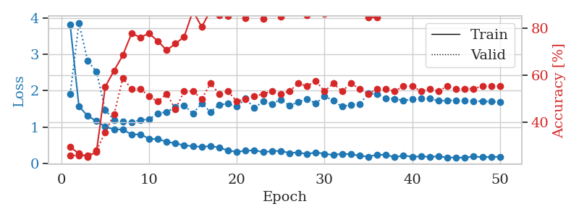
1.5140065577 | 1.4232790107 | 0.2527173913 | 0.26086956522 | 0.2080013752 | 25.27173913 | 26.086956522
1.318552945 | 1.387804135 | 0.2527173913 | 0.26086956522 | 0.21157050133 | 25.27173913 | 26.086956522
1.2319479222 | 1.402596199 | 0.2527173913 | 0.26086956522 | 0.21208643913 | 25.27173913 | 26.086956522
1.1127655947 | 1.3840001148 | 0.2527173913 | 0.26086956522 | 0.21461558342 | 25.27173913 | 26.086956522
1.1657568113 | 1.3926931464 | 0.25 | 0.25 | 0.21281027794 | 25 | 25
1.1196203491 | 1.394951131 | 0.24184782609 | 0.27173913043 | 0.21082425117 | 24.184782609 | 27.173913043
1.0806323057 | 1.3791801774 | 0.2527173913 | 0.26086956522 | 0.20887923241 | 25.27173913 | 26.086956522
1.0632380273 | 1.5261406743 | 0.25 | 0.25 | 0.21091794968 | 25 | 25
1.0786149346 | 1.7057019109 | 0.25543478261 | 0.21739130435 | 0.21258401871 | 25.543478261 | 21.739130435
1.056356386 | 1.7076706627 | 0.25543478261 | 0.21739130435 | 0.21109032631 | 25.543478261 | 21.739130435
1.0195505308 | 1.7079388318 | 0.25543478261 | 0.21739130435 | 0.20994305611 | 25.543478261 | 21.739130435
1.0620329017 | 1.5029768788 | 0.2527173913 | 0.26086956522 | 0.21069192886 | 25.27173913 | 26.086956522
1.1083322245 | 1.818027854 | 0.2527173913 | 0.26086956522 | 0.21075820923 | 25.27173913 | 26.086956522
0.99034910098 | 1.7665479494 | 0.2527173913 | 0.26086956522 | 0.21256732941 | 25.27173913 | 26.086956522
0.94368588147 | 1.7388736943 | 0.2527173913 | 0.26086956522 | 0.21038794518 | 25.27173913 | 26.086956522
0.99948629089 | 1.9381706455 | 0.26086956522 | 0.21739130435 | 0.20876908302 | 26.086956522 | 21.739130435
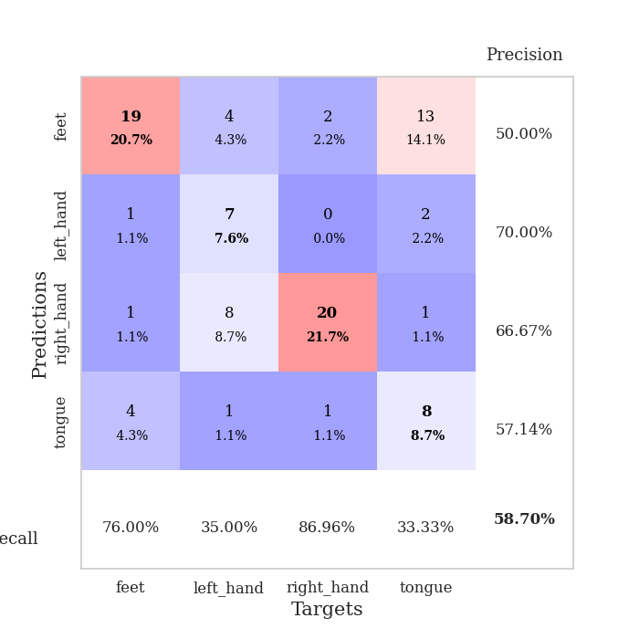
0.98788709744 | 2.0091397296 | 0.25 | 0.25 | 0.20926380157 | 25 | 25
0.89761171652 | 2.2746257056 | 0.25543478261 | 0.21739130435 | 0.21083593369 | 25.543478261 | 21.739130435
0.95482016905 | 1.6769293702 | 0.2527173913 | 0.26086956522 | 0.21040654182 | 25.27173913 | 26.086956522
0.9437762447 | 4.3866445915 | 0.2527173913 | 0.26086956522 | 0.20948982239 | 25.27173913 | 26.086956522
0.86887952815 | 6.0907152217 | 0.2527173913 | 0.26086956522 | 0.2101495266 | 25.27173913 | 26.086956522
0.88315135759 | 4.842098319 | 0.2527173913 | 0.26086956522 | 0.20887160301 | 25.27173913 | 26.086956522
0.78718328476 | 3.8252802621 | 0.2527173913 | 0.26086956522 | 0.21016144753 | 25.27173913 | 26.086956522
0.82638700371 | 7.2703131178 | 0.2527173913 | 0.26086956522 | 0.20872139931 | 25.27173913 | 26.086956522
0.83130910863 | 1.3154758578 | 0.24184782609 | 0.27173913043 | 0.20645022392 | 24.184782609 | 27.173913043
0.83648198325 | 3.1471631112 | 0.25543478261 | 0.21739130435 | 0.21236205101 | 25.543478261 | 21.739130435
0.8311808187 | 1.5013768621 | 0.2527173913 | 0.26086956522 | 0.21114492416 | 25.27173913 | 26.086956522
0.81515489583 | 1.1846605021 | 0.48913043478 | 0.51086956522 | 0.2105076313 | 48.913043478 | 51.086956522
0.75778485511 | 3.0108406233 | 0.25543478261 | 0.21739130435 | 0.21219944954 | 25.543478261 | 21.739130435
0.8892056009 | 1.2605867593 | 0.2527173913 | 0.27173913043 | 0.21211361885 | 25.27173913 | 27.173913043
0.87653835442 | 1.1378591527 | 0.26086956522 | 0.22826086957 | 0.21309828758 | 26.086956522 | 22.826086957
0.80651733279 | 1.2636015312 | 0.25543478261 | 0.21739130435 | 0.21196126938 | 25.543478261 | 21.739130435
0.74466653751 | 1.16013501 | 0.2527173913 | 0.26086956522 | 0.21090865135 | 25.27173913 | 26.086956522
0.75457410709 | 0.84554018922 | 0.75815217391 | 0.73913043478 | 0.20934534073 | 75.815217391 | 73.913043478
0.8004463924 | 1.9600795404 | 0.2527173913 | 0.26086956522 | 0.21147918701 | 25.27173913 | 26.086956522
0.81379701003 | 1.1769803918 | 0.24184782609 | 0.27173913043 | 0.2109746933 | 24.184782609 | 27.173913043
0.70921440746 | 1.0775478819 | 0.42119565217 | 0.35869565217 | 0.21009349823 | 42.119565217 | 35.869565217
0.74707857422 | 2.2458566479 | 0.25543478261 | 0.21739130435 | 0.21090817451 | 25.543478261 | 21.739130435
0.72084073658 | 3.9648784347 | 0.25543478261 | 0.21739130435 | 0.2119204998 | 25.543478261 | 21.739130435
0.72632395055 | 2.4783585486 | 0.25543478261 | 0.21739130435 | 0.21033859253 | 25.543478261 | 21.739130435
0.70411496836 | 1.2042082237 | 0.74184782609 | 0.72826086957 | 0.21073293686 | 74.184782609 | 72.826086957
0.73193317781 | 1.0433941354 | 0.73369565217 | 0.72826086957 | 0.20993351936 | 73.369565217 | 72.826086957
0.74917134772 | 0.98855576308 | 0.72826086957 | 0.72826086957 | 0.21081185341 | 72.826086957 | 72.826086957
0.71169922922 | 0.98006581742 | 0.73913043478 | 0.72826086957 | 0.21252965927 | 73.913043478 | 72.826086957
0.72926855865 | 0.96209473195 | 0.73097826087 | 0.71739130435 | 0.20979785919 | 73.097826087 | 71.739130435
0.69482528775 | 0.97461219974 | 0.51086956522 | 0.48913043478 | 0.21201014519 | 51.086956522 | 48.913043478
0.74654250689 | 1.0023491123 | 0.43206521739 | 0.42391304348 | 0.21192359924 | 43.206521739 | 42.391304348
0.71261903384 | 1.0322460454 | 0.4402173913 | 0.41304347826 | 0.20983481407 | 44.02173913 | 41.304347826

Best Val accuracy is 0.7391304347826086 and Best test accuracy is 0.7413793103448276

Sheet7
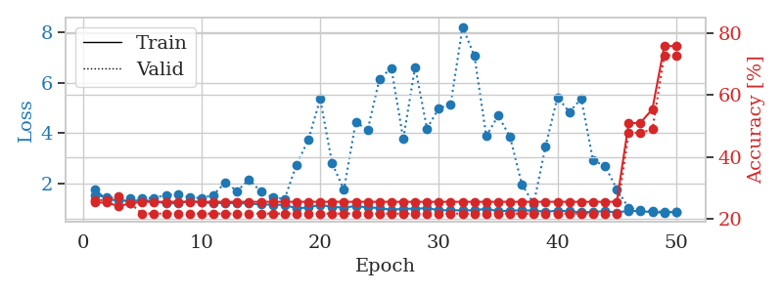
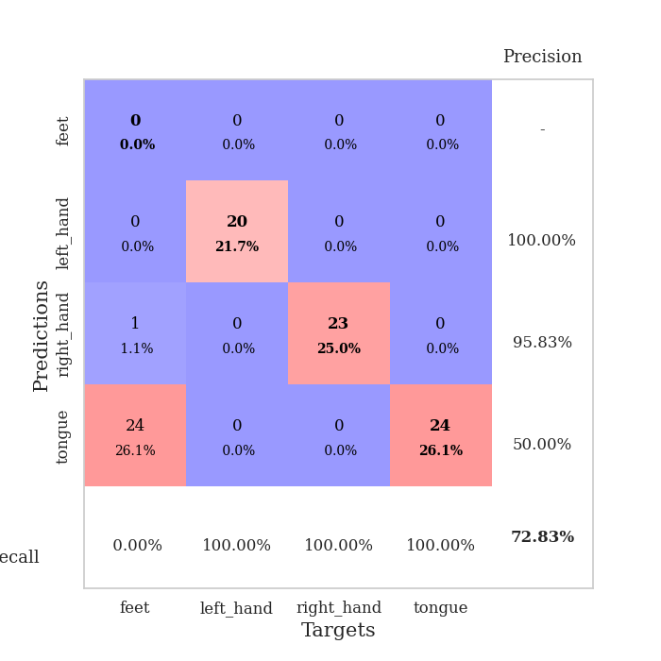
train_loss | valid_loss | train_accuracy | valid_accuracy | dur | train_misclass | valid_misclass
2.6643396668 | 3.7382662918 | 0.2527173913 | 0.26086956522 | 0.08260846138 | 25.27173913 | 26.086956522
1.4035937009 | 2.3689075138 | 0.26358695652 | 0.28260869565 | 0.080684900284 | 26.358695652 | 28.260869565
1.1590390128 | 1.9534365042 | 0.33695652174 | 0.34782608696 | 0.080188274384 | 33.695652174 | 34.782608696
0.96427708864 | 1.1737993722 | 0.63858695652 | 0.51086956522 | 0.080609321594 | 63.858695652 | 51.086956522
0.94737764027 | 1.0641918182 | 0.72826086957 | 0.5 | 0.080214262009 | 72.826086957 | 50
0.81042729253 | 1.1924006758 | 0.71195652174 | 0.44565217391 | 0.080466508865 | 71.195652174 | 44.565217391
0.84009498617 | 1.2251624957 | 0.69836956522 | 0.45652173913 | 0.082545042038 | 69.836956522 | 45.652173913
0.71352914883 | 1.1365810607 | 0.73913043478 | 0.48913043478 | 0.080466032028 | 73.913043478 | 48.913043478
0.7312503185 | 1.2257574071 | 0.69836956522 | 0.48913043478 | 0.080459356308 | 69.836956522 | 48.913043478
0.67603384023 | 1.1377738896 | 0.78532608696 | 0.54347826087 | 0.080501079559 | 78.532608696 | 54.347826087
0.6701140028 | 1.1893959875 | 0.83152173913 | 0.52173913043 | 0.081357002258 | 83.152173913 | 52.173913043
0.61328764065 | 1.1620564538 | 0.79347826087 | 0.53260869565 | 0.080511808395 | 79.347826087 | 53.260869565
0.61823341898 | 1.0551625024 | 0.83967391304 | 0.54347826087 | 0.080951213837 | 83.967391304 | 54.347826087
0.58044126241 | 1.1285004305 | 0.88043478261 | 0.5652173913 | 0.080390453339 | 88.043478261 | 56.52173913
0.5177411748 | 0.96220459368 | 0.89945652174 | 0.5652173913 | 0.080784797668 | 89.945652174 | 56.52173913
0.54736081284 | 1.0434949476 | 0.89945652174 | 0.52173913043 | 0.080554008484 | 89.945652174 | 52.173913043
0.46280546422 | 1.0282140841 | 0.88858695652 | 0.57608695652 | 0.080495834351 | 88.858695652 | 57.608695652
0.43962098205 | 1.068974482 | 0.89402173913 | 0.58695652174 | 0.080775499344 | 89.402173913 | 58.695652174
0.45145797794 | 1.2301220842 | 0.86141304348 | 0.53260869565 | 0.080840826035 | 86.141304348 | 53.260869565
0.49307000378 | 1.0859435874 | 0.89945652174 | 0.57608695652 | 0.080318689346 | 89.945652174 | 57.608695652
0.41670305897 | 1.1255641165 | 0.91576086957 | 0.57608695652 | 0.080786943436 | 91.576086957 | 57.608695652
0.39377368404 | 1.0434609522 | 0.95380434783 | 0.59782608696 | 0.080424308777 | 95.380434783 | 59.782608696
0.35375036396 | 1.1088013131 | 0.91032608696 | 0.5652173913 | 0.081372737885 | 91.032608696 | 56.52173913
0.42057144188 | 1.1834274297 | 0.89402173913 | 0.58695652174 | 0.080587148666 | 89.402173913 | 58.695652174
0.37424336115 | 1.2075584142 | 0.89130434783 | 0.60869565217 | 0.080368280411 | 89.130434783 | 60.869565217
0.34035193272 | 1.0860068824 | 0.95108695652 | 0.59782608696 | 0.080946445465 | 95.108695652 | 59.782608696
0.33358876148 | 1.1856543318 | 0.91304347826 | 0.57608695652 | 0.080583572388 | 91.304347826 | 57.608695652
0.27514936581 | 1.1655451837 | 0.95108695652 | 0.57608695652 | 0.081518173218 | 95.108695652 | 57.608695652
0.29975448484 | 1.155694451 | 0.9375 | 0.61956521739 | 0.084781885147 | 93.75 | 61.956521739
0.26103135636 | 1.2145203585 | 0.91576086957 | 0.59782608696 | 0.082142353058 | 91.576086957 | 59.782608696
0.29344628816 | 1.1353771687 | 0.9402173913 | 0.5652173913 | 0.08092045784 | 94.02173913 | 56.52173913
0.28265174414 | 1.1376238932 | 0.9402173913 | 0.57608695652 | 0.080651283264 | 94.02173913 | 57.608695652
0.25848874353 | 1.1717723867 | 0.94836956522 | 0.58695652174 | 0.080855846405 | 94.836956522 | 58.695652174
0.28630247194 | 1.1556715758 | 0.9375 | 0.61956521739 | 0.081248760223 | 93.75 | 61.956521739
0.26555877406 | 1.1718935863 | 0.94293478261 | 0.59782608696 | 0.080905437469 | 94.293478261 | 59.782608696
0.24676577358 | 1.1260562487 | 0.94565217391 | 0.59782608696 | 0.080782651901 | 94.565217391 | 59.782608696
0.22343519103 | 1.1115994013 | 0.94565217391 | 0.60869565217 | 0.080660104752 | 94.565217391 | 60.869565217
0.26682625095 | 1.0871277659 | 0.95108695652 | 0.58695652174 | 0.080445051193 | 95.108695652 | 58.695652174
0.23419261643 | 1.0906790417 | 0.94293478261 | 0.58695652174 | 0.080708742142 | 94.293478261 | 58.695652174
0.2715340268 | 1.1118803206 | 0.95108695652 | 0.58695652174 | 0.081879615784 | 95.108695652 | 58.695652174
0.2470289336 | 1.1188823633 | 0.95923913043 | 0.58695652174 | 0.079091787338 | 95.923913043 | 58.695652174
0.23420803476 | 1.1191468109 | 0.96467391304 | 0.58695652174 | 0.079107761383 | 96.467391304 | 58.695652174
0.21066871318 | 1.1169485191 | 0.96467391304 | 0.5652173913 | 0.082819700241 | 96.467391304 | 56.52173913
0.19874900126 | 1.1170529127 | 0.96739130435 | 0.5652173913 | 0.080389261246 | 96.739130435 | 56.52173913
0.2374847047 | 1.1088392346 | 0.96739130435 | 0.5652173913 | 0.080495119095 | 96.739130435 | 56.52173913
0.1864476029 | 1.1073470582 | 0.96739130435 | 0.55434782609 | 0.080360412598 | 96.739130435 | 55.434782609
0.21018152392 | 1.1026482919 | 0.96739130435 | 0.55434782609 | 0.079931020737 | 96.739130435 | 55.434782609
0.21328233668 | 1.1012109466 | 0.96739130435 | 0.55434782609 | 0.079955339432 | 96.739130435 | 55.434782609
0.25421070599 | 1.1006916787 | 0.96739130435 | 0.55434782609 | 0.080096244812 | 96.739130435 | 55.434782609
0.22658305615 | 1.1014721031 | 0.96739130435 | 0.55434782609 | 0.086114168167 | 96.739130435 | 55.434782609

Best Val accuracy is 0.6195652173913043 and Best test accuracy is 0.6379310344827587
train_loss | valid_loss | train_accuracy | valid_accuracy | dur | train_misclass | valid_misclass
3.4075715024 | 14.044201146 | 0.26086956522 | 0.26086956522 | 0.08575129509 | 26.086956522 | 26.086956522
1.533339998 | 2.6667180165 | 0.34239130435 | 0.27173913043 | 0.080940246582 | 34.239130435 | 27.173913043
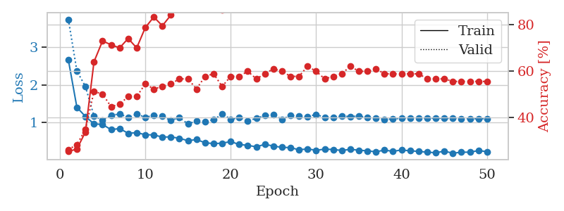
1.3027714724 | 3.1369485959 | 0.39673913043 | 0.26086956522 | 0.081175804138 | 39.673913043 | 26.086956522
1.1511472308 | 2.0786423061 | 0.46467391304 | 0.30434782609 | 0.080913543701 | 46.467391304 | 30.434782609
0.99323830397 | 1.4413274112 | 0.58695652174 | 0.40217391304 | 0.080994129181 | 58.695652174 | 40.217391304
0.80734021249 | 1.24416314 | 0.76902173913 | 0.46739130435 | 0.080888748169 | 76.902173913 | 46.739130435
0.82191312313 | 1.1006160093 | 0.81793478261 | 0.47826086957 | 0.080967187881 | 81.793478261 | 47.826086957
0.69809110139 | 1.2173951579 | 0.82336956522 | 0.48913043478 | 0.081212520599 | 82.336956522 | 48.913043478
0.68175417703 | 1.3920860498 | 0.73641304348 | 0.53260869565 | 0.081616640091 | 73.641304348 | 53.260869565
0.62562956305 | 1.234143835 | 0.82608695652 | 0.42391304348 | 0.082075834274 | 82.608695652 | 42.391304348
0.58105697969 | 1.183495125 | 0.85597826087 | 0.48913043478 | 0.081035137177 | 85.597826087 | 48.913043478
0.58430138943 | 1.318998329 | 0.81793478261 | 0.51086956522 | 0.081331729889 | 81.793478261 | 51.086956522
0.54583354424 | 1.3018975854 | 0.84239130435 | 0.51086956522 | 0.081015586853 | 84.239130435 | 51.086956522
0.49068801882 | 1.3293915495 | 0.83695652174 | 0.54347826087 | 0.080917835236 | 83.695652174 | 54.347826087
0.47080503728 | 1.4834334928 | 0.83967391304 | 0.5 | 0.081144094467 | 83.967391304 | 50
0.47459037019 | 1.411380957 | 0.85597826087 | 0.48913043478 | 0.080901861191 | 85.597826087 | 48.913043478
0.44037784118 | 1.5032393621 | 0.84782608696 | 0.45652173913 | 0.08091545105 | 84.782608696 | 45.652173913
0.445084049 | 1.2512832206 | 0.89673913043 | 0.5652173913 | 0.080812931061 | 89.673913043 | 56.52173913
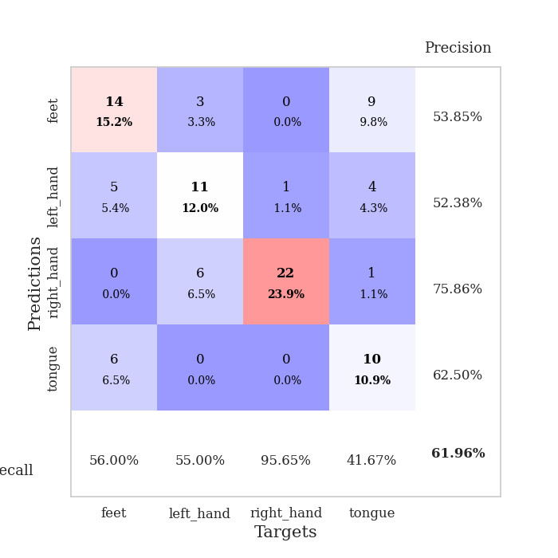
0.39775693222 | 1.4164505705 | 0.86684782609 | 0.54347826087 | 0.080982446671 | 86.684782609 | 54.347826087
0.37439449844 | 1.4668324382 | 0.86956521739 | 0.54347826087 | 0.084018945694 | 86.956521739 | 54.347826087
0.37523584554 | 1.4587128266 | 0.86141304348 | 0.53260869565 | 0.081425189972 | 86.141304348 | 53.260869565
0.38156368745 | 1.6655815943 | 0.85326086957 | 0.5 | 0.081105947495 | 85.326086957 | 50
0.29953579151 | 1.6560595217 | 0.83423913043 | 0.51086956522 | 0.081061124802 | 83.423913043 | 51.086956522
0.32178190966 | 1.7907504517 | 0.83152173913 | 0.51086956522 | 0.081702232361 | 83.152173913 | 51.086956522
0.28986600657 | 1.7875826462 | 0.81793478261 | 0.5 | 0.081682920456 | 81.793478261 | 50
0.31938301189 | 1.764587944 | 0.83152173913 | 0.5 | 0.081254243851 | 83.152173913 | 50
0.2613733278 | 1.5154998899 | 0.8722826087 | 0.52173913043 | 0.081256389618 | 87.22826087 | 52.173913043
0.21308199673 | 1.5798363349 | 0.875 | 0.5 | 0.081641674042 | 87.5 | 50
0.2117529045 | 1.7334026902 | 0.86413043478 | 0.5 | 0.081296205521 | 86.413043478 | 50
0.29509870902 | 1.5416788873 | 0.91032608696 | 0.51086956522 | 0.081172466278 | 91.032608696 | 51.086956522
0.27258593395 | 1.6989453305 | 0.88043478261 | 0.5 | 0.081455469131 | 88.043478261 | 50
0.23238815918 | 1.7368172874 | 0.88315217391 | 0.5 | 0.081459760666 | 88.315217391 | 50
0.23444917458 | 1.6436024256 | 0.88586956522 | 0.51086956522 | 0.081493139267 | 88.586956522 | 51.086956522
0.2266844294 | 1.767386465 | 0.85597826087 | 0.46739130435 | 0.081830978394 | 85.597826087 | 46.739130435
0.18096329094 | 1.8949517452 | 0.82880434783 | 0.51086956522 | 0.081466913223 | 82.880434783 | 51.086956522
0.21962509029 | 1.8991382018 | 0.84239130435 | 0.48913043478 | 0.081765174866 | 84.239130435 | 48.913043478
0.2447601496 | 1.8315839612 | 0.86956521739 | 0.48913043478 | 0.081511259079 | 86.956521739 | 48.913043478
0.2184541534 | 1.712454985 | 0.88858695652 | 0.48913043478 | 0.081707954407 | 88.858695652 | 48.913043478
0.2099521808 | 1.7224391155 | 0.88586956522 | 0.5 | 0.08150434494 | 88.586956522 | 50
0.18909116106 | 1.7377500249 | 0.8777173913 | 0.5 | 0.081598520279 | 87.77173913 | 50
0.19610056305 | 1.755827046 | 0.875 | 0.51086956522 | 0.081813335419 | 87.5 | 51.086956522
0.19377347681 | 1.7570744468 | 0.875 | 0.5 | 0.081993579865 | 87.5 | 50
0.17575324683 | 1.7082543192 | 0.88858695652 | 0.5 | 0.081595182419 | 88.858695652 | 50
0.16612759079 | 1.6812034172 | 0.90217391304 | 0.5 | 0.081797599792 | 90.217391304 | 50
0.17224549454 | 1.6793871652 | 0.90489130435 | 0.5 | 0.08177280426 | 90.489130435 | 50
0.18325721359 | 1.6833188534 | 0.90760869565 | 0.48913043478 | 0.081678390503 | 90.760869565 | 48.913043478
0.18118179703 | 1.6731246347 | 0.90760869565 | 0.48913043478 | 0.081498622894 | 90.760869565 | 48.913043478
0.17868665233 | 1.666983239 | 0.91032608696 | 0.5 | 0.081763505936 | 91.032608696 | 50
0.17101752272 | 1.6586851892 | 0.91304347826 | 0.5 | 0.081804037094 | 91.304347826 | 50
0.19016565318 | 1.6524174524 | 0.91576086957 | 0.5 | 0.081574201584 | 91.576086957 | 50

Best Val accuracy is 0.5652173913043478 and Best test accuracy is 0.5086206896551724
train_loss | valid_loss | train_accuracy | valid_accuracy | dur | train_misclass | valid_misclass
1.7538520461 | 1.5139955904 | 0.2527173913 | 0.26086956522 | 0.21167087555 | 25.27173913 | 26.086956522
1.3469373195 | 1.4570111866 | 0.2527173913 | 0.26086956522 | 0.21103048325 | 25.27173913 | 26.086956522
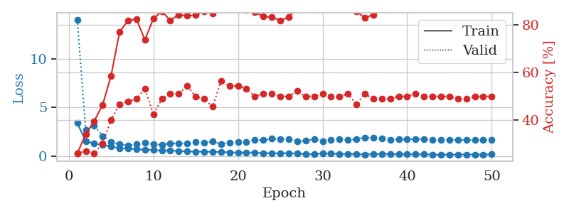
1.325284849 | 1.3872952513 | 0.24184782609 | 0.27173913043 | 0.20810747147 | 24.184782609 | 27.173913043
1.290695092 | 1.3976596387 | 0.25 | 0.25 | 0.20948719978 | 25 | 25
1.328147997 | 1.3919529656 | 0.25543478261 | 0.21739130435 | 0.21029138565 | 25.543478261 | 21.739130435
1.2781935464 | 1.4213245692 | 0.25543478261 | 0.21739130435 | 0.20937609673 | 25.543478261 | 21.739130435
1.202820809 | 1.5275690711 | 0.25543478261 | 0.21739130435 | 0.21023893356 | 25.543478261 | 21.739130435
1.1988096678 | 1.5704668346 | 0.25543478261 | 0.21739130435 | 0.20983791351 | 25.543478261 | 21.739130435
1.2971874631 | 1.4412488264 | 0.25543478261 | 0.21739130435 | 0.21276330948 | 25.543478261 | 21.739130435
1.2336468152 | 1.4055071914 | 0.25543478261 | 0.21739130435 | 0.21079230309 | 25.543478261 | 21.739130435
1.2135725591 | 1.5370321481 | 0.25543478261 | 0.21739130435 | 0.2094373703 | 25.543478261 | 21.739130435
1.2115427282 | 2.0264024838 | 0.25543478261 | 0.21739130435 | 0.21257853508 | 25.543478261 | 21.739130435
1.2073532058 | 1.6885657777 | 0.25543478261 | 0.21739130435 | 0.2130856514 | 25.543478261 | 21.739130435
1.191193819 | 2.1541381504 | 0.25543478261 | 0.21739130435 | 0.21101307869 | 25.543478261 | 21.739130435
1.1566885502 | 1.6619140532 | 0.25543478261 | 0.21739130435 | 0.21228909492 | 25.543478261 | 21.739130435
1.1485075562 | 1.4408222333 | 0.25543478261 | 0.21739130435 | 0.21121263504 | 25.543478261 | 21.739130435
1.1365950108 | 1.3722580153 | 0.25543478261 | 0.21739130435 | 0.21028518677 | 25.543478261 | 21.739130435
1.003342968 | 2.7384127845 | 0.25543478261 | 0.21739130435 | 0.21197462082 | 25.543478261 | 21.739130435
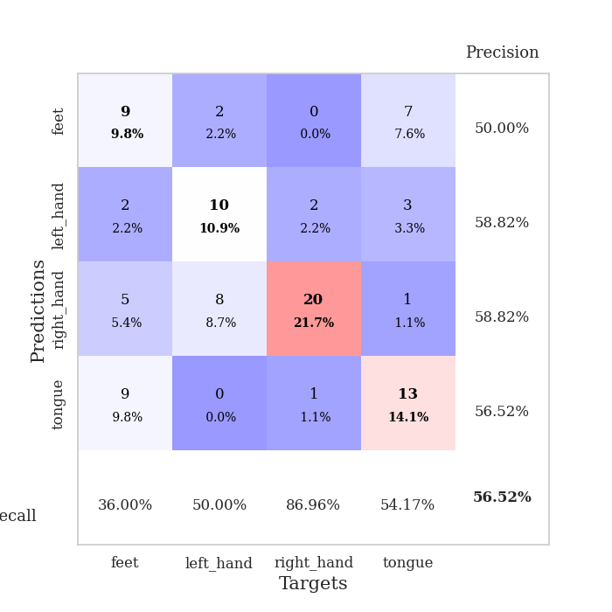
1.0349222033 | 3.7212021973 | 0.25543478261 | 0.21739130435 | 0.21333026886 | 25.543478261 | 21.739130435
1.1421944914 | 5.3520453702 | 0.25543478261 | 0.21739130435 | 0.21111321449 | 25.543478261 | 21.739130435
1.0578724768 | 2.8003239113 | 0.25543478261 | 0.21739130435 | 0.21327424049 | 25.543478261 | 21.739130435
1.0320856338 | 1.7408028323 | 0.25543478261 | 0.21739130435 | 0.21152353287 | 25.543478261 | 21.739130435
1.0927612652 | 4.447688393 | 0.25543478261 | 0.21739130435 | 0.21252393723 | 25.543478261 | 21.739130435
1.034639768 | 4.1101088524 | 0.25543478261 | 0.21739130435 | 0.2125954628 | 25.543478261 | 21.739130435
1.0179600975 | 6.1620009671 | 0.25543478261 | 0.21739130435 | 0.21085691452 | 25.543478261 | 21.739130435
0.93597259988 | 6.5845406574 | 0.25543478261 | 0.21739130435 | 0.21362233162 | 25.543478261 | 21.739130435
0.98748783702 | 3.7545421227 | 0.25543478261 | 0.21739130435 | 0.21326971054 | 25.543478261 | 21.739130435
0.98423513122 | 6.6267168418 | 0.25543478261 | 0.21739130435 | 0.20852017403 | 25.543478261 | 21.739130435
1.0098220058 | 4.1786978763 | 0.25543478261 | 0.21739130435 | 0.2126250267 | 25.543478261 | 21.739130435
0.92686508531 | 4.9875593393 | 0.25543478261 | 0.21739130435 | 0.20946121216 | 25.543478261 | 21.739130435
0.92319796137 | 5.1465470895 | 0.25543478261 | 0.21739130435 | 0.21177268028 | 25.543478261 | 21.739130435
0.92258020069 | 8.2253875318 | 0.25543478261 | 0.21739130435 | 0.21054387093 | 25.543478261 | 21.739130435
0.92159562007 | 7.0661006596 | 0.25543478261 | 0.21739130435 | 0.20859360695 | 25.543478261 | 21.739130435
0.98718861652 | 3.8757900777 | 0.25543478261 | 0.21739130435 | 0.208725214 | 25.543478261 | 21.739130435
0.88412925731 | 4.6919417174 | 0.25543478261 | 0.21739130435 | 0.2100174427 | 25.543478261 | 21.739130435
0.91138737875 | 3.8489689412 | 0.25543478261 | 0.21739130435 | 0.21192240715 | 25.543478261 | 21.739130435
0.91786585943 | 1.9493321232 | 0.25543478261 | 0.21739130435 | 0.20915150642 | 25.543478261 | 21.739130435
0.91183975469 | 1.1829573642 | 0.25543478261 | 0.21739130435 | 0.21128296852 | 25.543478261 | 21.739130435
0.86133353866 | 3.4806421529 | 0.25543478261 | 0.21739130435 | 0.21224761009 | 25.543478261 | 21.739130435
0.91239079963 | 5.425419455 | 0.25543478261 | 0.21739130435 | 0.21142482758 | 25.543478261 | 21.739130435
0.88257967389 | 4.8361291471 | 0.25543478261 | 0.21739130435 | 0.20863437653 | 25.543478261 | 21.739130435
0.84564782226 | 5.3642516136 | 0.25543478261 | 0.21739130435 | 0.21088528633 | 25.543478261 | 21.739130435
0.86198246997 | 2.9033572881 | 0.25543478261 | 0.21739130435 | 0.2121295929 | 25.543478261 | 21.739130435
0.88667102482 | 2.6960830274 | 0.25543478261 | 0.21739130435 | 0.21104335785 | 25.543478261 | 21.739130435
0.83814176917 | 1.7653677515 | 0.25543478261 | 0.21739130435 | 0.21020007133 | 25.543478261 | 21.739130435
0.90375894308 | 1.0168991918 | 0.50815217391 | 0.47826086957 | 0.21353149414 | 50.815217391 | 47.826086957
0.88672881282 | 0.9428681187 | 0.51086956522 | 0.47826086957 | 0.2115278244 | 51.086956522 | 47.826086957
0.85111571395 | 0.88197554713 | 0.55434782609 | 0.48913043478 | 0.21180868149 | 55.434782609 | 48.913043478
0.82910670405 | 0.86375338876 | 0.75815217391 | 0.72826086957 | 0.2096581459 | 75.815217391 | 72.826086957
0.86467757432 | 0.85558913842 | 0.75815217391 | 0.72826086957 | 0.21285867691 | 75.815217391 | 72.826086957

Best Val accuracy is 0.7282608695652174 and Best test accuracy is 0.7327586206896551

Sheet8
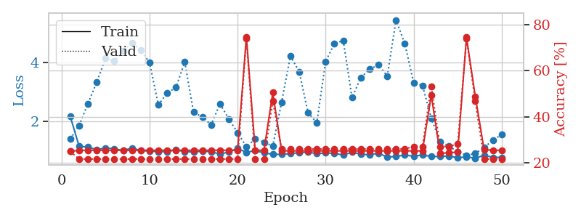
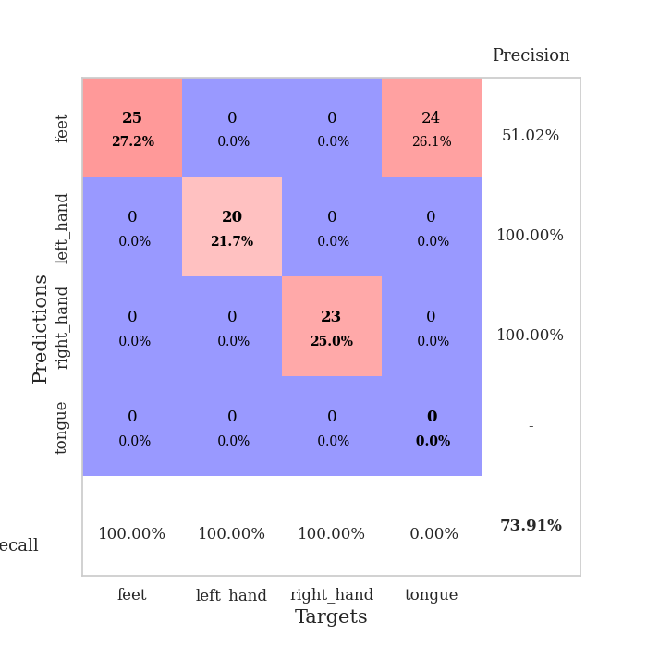
train_loss | valid_loss | train_accuracy | valid_accuracy | dur | train_misclass | valid_misclass
3.8762478932 | 7.8922705028 | 0.2472826087 | 0.27173913043 | 0.082636594772 | 24.72826087 | 27.173913043
1.6930980942 | 3.6366212057 | 0.25815217391 | 0.28260869565 | 0.079945087433 | 25.815217391 | 28.260869565
1.3360119851 | 1.86832825 | 0.42119565217 | 0.36956521739 | 0.080285787582 | 42.119565217 | 36.956521739
1.2139854327 | 1.4923342415 | 0.48369565217 | 0.40217391304 | 0.079861164093 | 48.369565217 | 40.217391304
1.0017750704 | 1.1895905526 | 0.65217391304 | 0.4347826087 | 0.081513166428 | 65.217391304 | 43.47826087
0.95674697731 | 1.1010714251 | 0.71467391304 | 0.58695652174 | 0.081119537354 | 71.467391304 | 58.695652174
0.84247234852 | 1.0782928519 | 0.71467391304 | 0.48913043478 | 0.080455780029 | 71.467391304 | 48.913043478
0.79590021398 | 1.0860302215 | 0.7527173913 | 0.5 | 0.079859018326 | 75.27173913 | 50
0.78226402272 | 1.1336336836 | 0.77717391304 | 0.48913043478 | 0.079973697662 | 77.717391304 | 48.913043478
0.72961396497 | 1.0622430962 | 0.79076086957 | 0.52173913043 | 0.080501556396 | 79.076086957 | 52.173913043
0.62606745051 | 1.1944335829 | 0.69565217391 | 0.5652173913 | 0.080037593842 | 69.565217391 | 56.52173913
0.60061633198 | 1.0843724919 | 0.81793478261 | 0.52173913043 | 0.079972028732 | 81.793478261 | 52.173913043
0.56725965894 | 1.1990160735 | 0.79619565217 | 0.45652173913 | 0.080452203751 | 79.619565217 | 45.652173913
0.55472883841 | 1.0881146348 | 0.84782608696 | 0.48913043478 | 0.079967021942 | 84.782608696 | 48.913043478
0.52491391871 | 1.1778671949 | 0.83967391304 | 0.47826086957 | 0.079880714417 | 83.967391304 | 47.826086957
0.45140605971 | 1.237438956 | 0.80706521739 | 0.5 | 0.079909801483 | 80.706521739 | 50
0.44960148697 | 1.1182034936 | 0.88043478261 | 0.51086956522 | 0.079768657684 | 88.043478261 | 51.086956522
0.43187931115 | 1.1515888196 | 0.90489130435 | 0.53260869565 | 0.079794406891 | 90.489130435 | 53.260869565
0.44451512332 | 1.1523813683 | 0.9402173913 | 0.45652173913 | 0.080161094666 | 94.02173913 | 45.652173913
0.31986140103 | 1.2394820296 | 0.91032608696 | 0.48913043478 | 0.080276012421 | 91.032608696 | 48.913043478
0.33038426029 | 1.3678617996 | 0.89673913043 | 0.5 | 0.080484628677 | 89.673913043 | 50
0.34241754529 | 1.219060592 | 0.95652173913 | 0.51086956522 | 0.079934835434 | 95.652173913 | 51.086956522
0.31871543825 | 1.3256296762 | 0.90760869565 | 0.5652173913 | 0.080315828323 | 90.760869565 | 56.52173913
0.35240290282 | 1.3052118952 | 0.90217391304 | 0.54347826087 | 0.079859972 | 90.217391304 | 54.347826087
0.2891137263 | 1.3046464635 | 0.9375 | 0.53260869565 | 0.08006811142 | 93.75 | 53.260869565
0.31608585949 | 1.2806357962 | 0.94565217391 | 0.57608695652 | 0.08013510704 | 94.565217391 | 57.608695652
0.26629152473 | 1.33826927 | 0.9402173913 | 0.53260869565 | 0.079961776733 | 94.02173913 | 53.260869565
0.27003275085 | 1.322887764 | 0.93206521739 | 0.55434782609 | 0.080166816711 | 93.206521739 | 55.434782609
0.26706833716 | 1.3277226324 | 0.91847826087 | 0.52173913043 | 0.080082654953 | 91.847826087 | 52.173913043
0.28071058606 | 1.2790165194 | 0.94293478261 | 0.54347826087 | 0.080025196075 | 94.293478261 | 54.347826087
0.28674287997 | 1.3184818042 | 0.92119565217 | 0.5652173913 | 0.079893827438 | 92.119565217 | 56.52173913
0.26370885223 | 1.2671375106 | 0.94836956522 | 0.57608695652 | 0.080507278442 | 94.836956522 | 57.608695652
0.22251470921 | 1.2433877186 | 0.95380434783 | 0.58695652174 | 0.07994556427 | 95.380434783 | 58.695652174
0.18652115649 | 1.2962489452 | 0.94565217391 | 0.54347826087 | 0.07999920845 | 94.565217391 | 54.347826087
0.21191433509 | 1.281810859 | 0.95652173913 | 0.55434782609 | 0.08041882515 | 95.652173913 | 55.434782609
0.20230389767 | 1.3215895839 | 0.91847826087 | 0.54347826087 | 0.080045700073 | 91.847826087 | 54.347826087
0.20226606071 | 1.2976529961 | 0.93206521739 | 0.58695652174 | 0.079998254776 | 93.206521739 | 58.695652174
0.23607997353 | 1.2679733958 | 0.95108695652 | 0.58695652174 | 0.080026388168 | 95.108695652 | 58.695652174
0.25201826381 | 1.2490040427 | 0.94565217391 | 0.59782608696 | 0.079978466034 | 94.565217391 | 59.782608696
0.18998773153 | 1.238403284 | 0.94836956522 | 0.59782608696 | 0.080519676208 | 94.836956522 | 59.782608696
0.19299947973 | 1.2638337418 | 0.95108695652 | 0.58695652174 | 0.08039355278 | 95.108695652 | 58.695652174
0.18843826733 | 1.2686863114 | 0.94836956522 | 0.5652173913 | 0.080066204071 | 94.836956522 | 56.52173913
0.20606680457 | 1.2893985238 | 0.95108695652 | 0.57608695652 | 0.083008766174 | 95.108695652 | 57.608695652
0.18067980104 | 1.2807802947 | 0.95380434783 | 0.5652173913 | 0.079808473587 | 95.380434783 | 56.52173913
0.18785526765 | 1.2816564402 | 0.95380434783 | 0.5652173913 | 0.080157756805 | 95.380434783 | 56.52173913
0.20378769967 | 1.2889498628 | 0.95652173913 | 0.57608695652 | 0.080029249191 | 95.652173913 | 57.608695652
0.19623766548 | 1.2907572518 | 0.95652173913 | 0.57608695652 | 0.079946041107 | 95.652173913 | 57.608695652
0.2149701193 | 1.2920233776 | 0.95652173913 | 0.57608695652 | 0.080179214478 | 95.652173913 | 57.608695652
0.17990044585 | 1.2936912723 | 0.95652173913 | 0.57608695652 | 0.079978227615 | 95.652173913 | 57.608695652
0.18249429163 | 1.2949692594 | 0.95652173913 | 0.57608695652 | 0.080432891846 | 95.652173913 | 57.608695652

Best Val accuracy is 0.5978260869565217 and Best test accuracy is 0.5086206896551724
train_loss | valid_loss | train_accuracy | valid_accuracy | dur | train_misclass | valid_misclass
4.469751301 | 8.5829508201 | 0.2527173913 | 0.26086956522 | 0.087874412537 | 25.27173913 | 26.086956522
1.6342002413 | 3.4613800049 | 0.25543478261 | 0.26086956522 | 0.081776618958 | 25.543478261 | 26.086956522
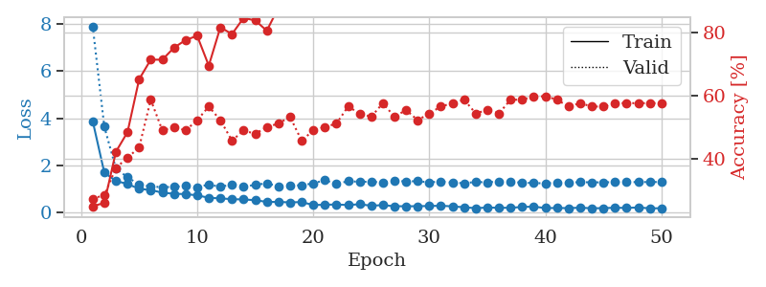
1.4223123711 | 2.7307356544 | 0.32336956522 | 0.30434782609 | 0.080999851227 | 32.336956522 | 30.434782609
1.2002647415 | 2.0003834807 | 0.30163043478 | 0.27173913043 | 0.08114528656 | 30.163043478 | 27.173913043
1.1007285947 | 1.368673931 | 0.60869565217 | 0.42391304348 | 0.081474065781 | 60.869565217 | 42.391304348
1.0020435608 | 1.1916108546 | 0.65760869565 | 0.46739130435 | 0.081134796143 | 65.760869565 | 46.739130435
0.88234730907 | 1.1909582123 | 0.66576086957 | 0.45652173913 | 0.08150434494 | 66.576086957 | 45.652173913
0.80679808492 | 1.2588074078 | 0.74456521739 | 0.48913043478 | 0.081505775452 | 74.456521739 | 48.913043478
0.72764547752 | 1.1197314833 | 0.73369565217 | 0.44565217391 | 0.08174943924 | 73.369565217 | 44.565217391
0.75622760861 | 1.2449295391 | 0.77445652174 | 0.47826086957 | 0.08142375946 | 77.445652174 | 47.826086957
0.63336446493 | 1.4710457584 | 0.70652173913 | 0.42391304348 | 0.081488609314 | 70.652173913 | 42.391304348
0.63460226292 | 1.5275757183 | 0.70923913043 | 0.42391304348 | 0.081543445587 | 70.923913043 | 42.391304348
0.6362154406 | 1.6433065508 | 0.72010869565 | 0.47826086957 | 0.08172249794 | 72.010869565 | 47.826086957
0.56874496263 | 1.4753123988 | 0.8152173913 | 0.46739130435 | 0.081513881683 | 81.52173913 | 46.739130435
0.47536666432 | 1.6421161449 | 0.72554347826 | 0.4347826087 | 0.08159828186 | 72.554347826 | 43.47826087
0.54187272943 | 1.6000574801 | 0.75815217391 | 0.48913043478 | 0.081406116486 | 75.815217391 | 48.913043478
0.4998049425 | 1.3703326998 | 0.83967391304 | 0.45652173913 | 0.081425905228 | 83.967391304 | 45.652173913
0.45814631815 | 1.7939403627 | 0.74184782609 | 0.5 | 0.081660985947 | 74.184782609 | 50

0.42528388552 | 1.6243281183 | 0.80706521739 | 0.44565217391 | 0.081733465195 | 80.706521739 | 44.565217391
0.41369272056 | 1.8262414777 | 0.71739130435 | 0.40217391304 | 0.081378698349 | 71.739130435 | 40.217391304
0.3497117097 | 2.0375109185 | 0.67934782609 | 0.40217391304 | 0.081778049469 | 67.934782609 | 40.217391304
0.35507993918 | 1.9045416583 | 0.76902173913 | 0.44565217391 | 0.081412553787 | 76.902173913 | 44.565217391
0.3854713874 | 1.8924387175 | 0.70652173913 | 0.46739130435 | 0.084703683853 | 70.652173913 | 46.739130435
0.43983685452 | 1.6154458315 | 0.86956521739 | 0.46739130435 | 0.08199596405 | 86.956521739 | 46.739130435
0.35677673182 | 1.7549538042 | 0.84510869565 | 0.48913043478 | 0.08149600029 | 84.510869565 | 48.913043478
0.36962571481 | 1.626592053 | 0.88858695652 | 0.5 | 0.081322908401 | 88.858695652 | 50
0.3273687502 | 1.8449736419 | 0.82608695652 | 0.51086956522 | 0.081384420395 | 82.608695652 | 51.086956522
0.29292118841 | 1.7639595477 | 0.82065217391 | 0.48913043478 | 0.08190870285 | 82.065217391 | 48.913043478
0.29444070582 | 1.6931084809 | 0.91032608696 | 0.46739130435 | 0.081115484238 | 91.032608696 | 46.739130435
0.26769401489 | 1.8459366897 | 0.875 | 0.47826086957 | 0.081396579742 | 87.5 | 47.826086957
0.21007933921 | 1.8773033515 | 0.85326086957 | 0.5 | 0.081103086472 | 85.326086957 | 50
0.24923952377 | 1.8826989039 | 0.88043478261 | 0.52173913043 | 0.081437110901 | 88.043478261 | 52.173913043
0.25402202068 | 1.7149195256 | 0.92663043478 | 0.53260869565 | 0.081471443176 | 92.663043478 | 53.260869565
0.22694126355 | 1.8518697879 | 0.875 | 0.48913043478 | 0.081660985947 | 87.5 | 48.913043478
0.22860239916 | 1.8172578889 | 0.90217391304 | 0.51086956522 | 0.081427812576 | 90.217391304 | 51.086956522
0.22388184994 | 1.7763925506 | 0.91032608696 | 0.52173913043 | 0.081404685974 | 91.032608696 | 52.173913043
0.21996172356 | 1.945343085 | 0.88043478261 | 0.51086956522 | 0.081650257111 | 88.043478261 | 51.086956522
0.2464974393 | 1.9577432301 | 0.86413043478 | 0.5 | 0.081322908401 | 86.413043478 | 50
0.22419368994 | 1.8790546008 | 0.88586956522 | 0.48913043478 | 0.081494092941 | 88.586956522 | 48.913043478
0.24004235605 | 1.8578652299 | 0.89130434783 | 0.5 | 0.081552505493 | 89.130434783 | 50
0.2229756389 | 1.8444257119 | 0.90760869565 | 0.5 | 0.081324338913 | 90.760869565 | 50
0.23990939136 | 1.8227849732 | 0.91032608696 | 0.47826086957 | 0.081509828568 | 91.032608696 | 47.826086957
0.20457143077 | 1.857180471 | 0.89945652174 | 0.5 | 0.081414937973 | 89.945652174 | 50
0.20766136115 | 1.8567848698 | 0.89945652174 | 0.5 | 0.081499576569 | 89.945652174 | 50
0.20850647759 | 1.8705234294 | 0.90760869565 | 0.5 | 0.081272363663 | 90.760869565 | 50
0.19296060988 | 1.8789769903 | 0.90760869565 | 0.5 | 0.081670284271 | 90.760869565 | 50
0.19875648359 | 1.8785068678 | 0.90760869565 | 0.5 | 0.081434726715 | 90.760869565 | 50
0.24148257271 | 1.8686336331 | 0.91032608696 | 0.5 | 0.081636190414 | 91.032608696 | 50
0.21364911419 | 1.8645535008 | 0.91032608696 | 0.5 | 0.085950374603 | 91.032608696 | 50
0.19981229791 | 1.861415933 | 0.91032608696 | 0.5 | 0.081435680389 | 91.032608696 | 50

Best Val accuracy is 0.532608695652174 and Best test accuracy is 0.5948275862068966
train_loss | valid_loss | train_accuracy | valid_accuracy | dur | train_misclass | valid_misclass
2.1510542035 | 1.3846728232 | 0.25 | 0.25 | 0.20682430267 | 25 | 25
1.1341646651 | 1.8512394998 | 0.25543478261 | 0.21739130435 | 0.21087121964 | 25.543478261 | 21.739130435

1.1093689644 | 2.594370728 | 0.25543478261 | 0.21739130435 | 0.21084618568 | 25.543478261 | 21.739130435
1.0221563448 | 3.3293883697 | 0.25543478261 | 0.21739130435 | 0.21259307861 | 25.543478261 | 21.739130435
1.0785502986 | 4.1432582606 | 0.25543478261 | 0.21739130435 | 0.21009588242 | 25.543478261 | 21.739130435
1.0525499634 | 4.0449823919 | 0.25543478261 | 0.21739130435 | 0.20967769623 | 25.543478261 | 21.739130435
0.98946514596 | 4.3996810913 | 0.25543478261 | 0.21739130435 | 0.21087217331 | 25.543478261 | 21.739130435
1.0776657799 | 4.6758788565 | 0.25543478261 | 0.21739130435 | 0.21201610565 | 25.543478261 | 21.739130435
0.98999606526 | 4.417121286 | 0.25543478261 | 0.21739130435 | 0.21052622795 | 25.543478261 | 21.739130435
0.97020841422 | 3.999146503 | 0.25543478261 | 0.21739130435 | 0.21253275871 | 25.543478261 | 21.739130435
0.95319896936 | 2.5531910191 | 0.25543478261 | 0.21739130435 | 0.20971822739 | 25.543478261 | 21.739130435
0.94652211925 | 2.9578656321 | 0.25543478261 | 0.21739130435 | 0.21103906631 | 25.543478261 | 21.739130435
1.0191830656 | 3.149805608 | 0.25543478261 | 0.21739130435 | 0.21238088608 | 25.543478261 | 21.739130435
0.9452092518 | 4.0182799256 | 0.25543478261 | 0.21739130435 | 0.21122670174 | 25.543478261 | 21.739130435
0.94299488741 | 2.2996257077 | 0.25543478261 | 0.21739130435 | 0.20861554146 | 25.543478261 | 21.739130435
0.96571260432 | 2.1366521794 | 0.25543478261 | 0.21739130435 | 0.21028327942 | 25.543478261 | 21.739130435
0.9541686566 | 1.8694896232 | 0.25543478261 | 0.21739130435 | 0.21076488495 | 25.543478261 | 21.739130435
0.86535856776 | 2.5942145327 | 0.25543478261 | 0.21739130435 | 0.21028614044 | 25.543478261 | 21.739130435

0.94264374609 | 2.0719031769 | 0.25543478261 | 0.21739130435 | 0.2116997242 | 25.543478261 | 21.739130435
1.0590711988 | 1.6024986506 | 0.25543478261 | 0.21739130435 | 0.21020150185 | 25.543478261 | 21.739130435
0.92999266282 | 1.1195256451 | 0.7472826087 | 0.73913043478 | 0.20950174332 | 74.72826087 | 73.913043478
0.98581730283 | 1.3837132817 | 0.25543478261 | 0.21739130435 | 0.21072912216 | 25.543478261 | 21.739130435
0.91126249147 | 1.2762146566 | 0.25543478261 | 0.21739130435 | 0.2111685276 | 25.543478261 | 21.739130435
0.86242138044 | 1.143207861 | 0.50543478261 | 0.46739130435 | 0.21188926697 | 50.543478261 | 46.739130435
0.85855377498 | 2.6444364942 | 0.2527173913 | 0.26086956522 | 0.21056294441 | 25.27173913 | 26.086956522
0.88630772414 | 4.225020533 | 0.2527173913 | 0.26086956522 | 0.2123439312 | 25.27173913 | 26.086956522
0.91594632812 | 3.6895275116 | 0.2527173913 | 0.26086956522 | 0.20855402946 | 25.27173913 | 26.086956522
0.93696087599 | 2.2860095086 | 0.2527173913 | 0.26086956522 | 0.20950484276 | 25.27173913 | 26.086956522
0.88330160794 | 1.9429494972 | 0.2527173913 | 0.26086956522 | 0.21213579178 | 25.27173913 | 26.086956522
0.90901086901 | 4.0394834436 | 0.2527173913 | 0.26086956522 | 0.21108031273 | 25.27173913 | 26.086956522
0.89140927792 | 4.6480323335 | 0.2527173913 | 0.26086956522 | 0.21347641945 | 25.27173913 | 26.086956522
0.83762220974 | 4.7565854736 | 0.2527173913 | 0.26086956522 | 0.21066617966 | 25.27173913 | 26.086956522
0.93415544344 | 2.7968973492 | 0.2527173913 | 0.26086956522 | 0.20796060562 | 25.27173913 | 26.086956522
0.86523379191 | 3.4880882761 | 0.2527173913 | 0.26086956522 | 0.21079468727 | 25.27173913 | 26.086956522
0.84498338855 | 3.7663186115 | 0.2527173913 | 0.26086956522 | 0.21123528481 | 25.27173913 | 26.086956522
0.90190984633 | 3.9259350818 | 0.2527173913 | 0.26086956522 | 0.21117973328 | 25.27173913 | 26.086956522
0.76227761611 | 3.5355858906 | 0.2527173913 | 0.26086956522 | 0.211363554 | 25.27173913 | 26.086956522
0.79262721539 | 5.4564632126 | 0.2527173913 | 0.26086956522 | 0.21179413795 | 25.27173913 | 26.086956522
0.83500594937 | 4.643067588 | 0.2527173913 | 0.26086956522 | 0.2090742588 | 25.27173913 | 26.086956522
0.79749615814 | 3.311759503 | 0.2527173913 | 0.27173913043 | 0.21277284622 | 25.27173913 | 27.173913043
0.83615494552 | 3.2160757625 | 0.2527173913 | 0.27173913043 | 0.210760355 | 25.27173913 | 27.173913043
0.7885602894 | 2.097527929 | 0.49456521739 | 0.53260869565 | 0.21147871017 | 49.456521739 | 53.260869565
0.78797863489 | 1.2912390336 | 0.24184782609 | 0.27173913043 | 0.21041059494 | 24.184782609 | 27.173913043
0.80585486215 | 1.1422024499 | 0.24456521739 | 0.27173913043 | 0.20943856239 | 24.456521739 | 27.173913043
0.74389725276 | 0.94548195341 | 0.2472826087 | 0.28260869565 | 0.21037364006 | 24.72826087 | 28.260869565
0.77620685489 | 0.82457196453 | 0.74456521739 | 0.73913043478 | 0.21021223068 | 74.456521739 | 73.913043478
0.7275040655 | 0.88826789286 | 0.48913043478 | 0.46739130435 | 0.21266841888 | 48.913043478 | 46.739130435
0.82774844636 | 1.0981991136 | 0.25815217391 | 0.21739130435 | 0.2109951973 | 25.815217391 | 21.739130435
0.75671571623 | 1.3342810144 | 0.25543478261 | 0.21739130435 | 0.21106362343 | 25.543478261 | 21.739130435
0.75782222592 | 1.5439237149 | 0.25543478261 | 0.21739130435 | 0.20898747444 | 25.543478261 | 21.739130435

Best Val accuracy is 0.7391304347826086 and Best test accuracy is 0.7672413793103449

Sheet9


train_loss | valid_loss | train_accuracy | valid_accuracy | dur | train_misclass | valid_misclass
3.7508962621 | 5.1470571394 | 0.24184782609 | 0.27173913043 | 0.085421085358 | 24.184782609 | 27.173913043
1.5310132141 | 3.5366929096 | 0.24184782609 | 0.27173913043 | 0.082648038864 | 24.184782609 | 27.173913043
1.3375918969 | 1.8386817549 | 0.33967391304 | 0.3152173913 | 0.081894397736 | 33.967391304 | 31.52173913
1.1805665208 | 1.488364427 | 0.47826086957 | 0.32608695652 | 0.082326889038 | 47.826086957 | 32.608695652
1.0266926496 | 1.359546283 | 0.63858695652 | 0.42391304348 | 0.083936452866 | 63.858695652 | 42.391304348
0.87080454308 | 1.1587779911 | 0.71195652174 | 0.45652173913 | 0.08220076561 | 71.195652174 | 45.652173913
0.85715589057 | 1.1714820162 | 0.75 | 0.51086956522 | 0.082281351089 | 75 | 51.086956522
0.75409708075 | 1.536207054 | 0.58967391304 | 0.45652173913 | 0.082201480865 | 58.967391304 | 45.652173913
0.76294331706 | 1.2418718234 | 0.75815217391 | 0.45652173913 | 0.082160949707 | 75.815217391 | 45.652173913
0.72073557714 | 1.3339967805 | 0.7527173913 | 0.51086956522 | 0.082255840302 | 75.27173913 | 51.086956522
0.61425779436 | 1.5515729915 | 0.69293478261 | 0.52173913043 | 0.082491636276 | 69.293478261 | 52.173913043
0.54684631203 | 1.3940429195 | 0.76358695652 | 0.53260869565 | 0.082814455032 | 76.358695652 | 53.260869565
0.55247240352 | 1.6745924328 | 0.67119565217 | 0.46739130435 | 0.08284163475 | 67.119565217 | 46.739130435
0.47339353808 | 1.308375711 | 0.83967391304 | 0.51086956522 | 0.082421302795 | 83.967391304 | 51.086956522
0.56538198694 | 1.3716211915 | 0.86413043478 | 0.55434782609 | 0.082494497299 | 86.413043478 | 55.434782609
0.49854436646 | 1.2626757103 | 0.88043478261 | 0.61956521739 | 0.083333969116 | 88.043478261 | 61.956521739
0.42236612348 | 1.5051780265 | 0.82880434783 | 0.52173913043 | 0.082927942276 | 82.880434783 | 52.173913043
0.41500472958 | 1.5028383395 | 0.86684782609 | 0.53260869565 | 0.082633018494 | 86.684782609 | 53.260869565
0.40626255714 | 1.5756536437 | 0.83152173913 | 0.47826086957 | 0.082950592041 | 83.152173913 | 47.826086957
0.44082695699 | 1.4112493655 | 0.89673913043 | 0.58695652174 | 0.083208084106 | 89.673913043 | 58.695652174
0.41779164452 | 1.4380675528 | 0.8777173913 | 0.52173913043 | 0.08868432045 | 87.77173913 | 52.173913043
0.41750092869 | 1.5028504677 | 0.89402173913 | 0.5652173913 | 0.092083692551 | 89.402173913 | 56.52173913
0.36963401864 | 1.3818550097 | 0.9347826087 | 0.58695652174 | 0.083376646042 | 93.47826087 | 58.695652174
0.35956989229 | 1.5960848046 | 0.86141304348 | 0.5 | 0.083383798599 | 86.141304348 | 50
0.33568678699 | 1.6277056855 | 0.8777173913 | 0.52173913043 | 0.082929611206 | 87.77173913 | 52.173913043
0.33184059094 | 1.9216885852 | 0.8125 | 0.45652173913 | 0.083319425583 | 81.25 | 45.652173913
0.32119880811 | 1.5818311857 | 0.89402173913 | 0.5652173913 | 0.08301448822 | 89.402173913 | 56.52173913
0.25995206606 | 1.6856664134 | 0.88043478261 | 0.55434782609 | 0.08526468277 | 88.043478261 | 55.434782609
0.22641249487 | 1.720228685 | 0.89130434783 | 0.54347826087 | 0.083244800568 | 89.130434783 | 54.347826087
0.22696802911 | 1.558530157 | 0.9347826087 | 0.55434782609 | 0.083431005478 | 93.47826087 | 55.434782609
0.25633321119 | 1.6555733525 | 0.91576086957 | 0.52173913043 | 0.083497285843 | 91.576086957 | 52.173913043
0.25599967219 | 1.7298177144 | 0.88586956522 | 0.55434782609 | 0.083148956299 | 88.586956522 | 55.434782609
0.23784591484 | 1.7256435182 | 0.86956521739 | 0.54347826087 | 0.083009243011 | 86.956521739 | 54.347826087
0.18741791906 | 1.7142328387 | 0.90760869565 | 0.51086956522 | 0.082959413528 | 90.760869565 | 51.086956522
0.20494947032 | 1.7332817031 | 0.88586956522 | 0.54347826087 | 0.083254337311 | 88.586956522 | 54.347826087
0.23398606787 | 1.8354917868 | 0.8777173913 | 0.52173913043 | 0.083330869675 | 87.77173913 | 52.173913043
0.21407539981 | 1.7602906357 | 0.88043478261 | 0.53260869565 | 0.083037614822 | 88.043478261 | 53.260869565
0.27916737711 | 1.8139153071 | 0.86413043478 | 0.53260869565 | 0.083274126053 | 86.413043478 | 53.260869565
0.23467349763 | 1.7414172059 | 0.89945652174 | 0.5652173913 | 0.083188295364 | 89.945652174 | 56.52173913
0.24981179315 | 1.7939482487 | 0.88858695652 | 0.54347826087 | 0.083026647568 | 88.858695652 | 54.347826087
0.194717237 | 1.8021530872 | 0.89402173913 | 0.53260869565 | 0.083132266998 | 89.402173913 | 53.260869565
0.23499723637 | 1.795662188 | 0.89673913043 | 0.5652173913 | 0.083321332932 | 89.673913043 | 56.52173913
0.19795643069 | 1.7979389351 | 0.89945652174 | 0.54347826087 | 0.083187818527 | 89.945652174 | 54.347826087
0.20370812504 | 1.7743871912 | 0.90489130435 | 0.54347826087 | 0.083205461502 | 90.489130435 | 54.347826087
0.17658913281 | 1.763074468 | 0.91032608696 | 0.54347826087 | 0.086894750595 | 91.032608696 | 54.347826087
0.16382709154 | 1.7516471459 | 0.91304347826 | 0.57608695652 | 0.082866430283 | 91.304347826 | 57.608695652
0.17574299645 | 1.7436263484 | 0.91304347826 | 0.5652173913 | 0.082853555679 | 91.304347826 | 56.52173913
0.20994818486 | 1.7351852733 | 0.91576086957 | 0.57608695652 | 0.082739114761 | 91.576086957 | 57.608695652
0.21098283954 | 1.7331307919 | 0.91576086957 | 0.57608695652 | 0.082695484161 | 91.576086957 | 57.608695652
0.17068636434 | 1.7292333608 | 0.91847826087 | 0.57608695652 | 0.082953214645 | 91.847826087 | 57.608695652

Best Val accuracy is 0.6195652173913043 and Best test accuracy is 0.5948275862068966
train_loss | valid_loss | train_accuracy | valid_accuracy | dur | train_misclass | valid_misclass
4.2194309027 | 18.049989452 | 0.2527173913 | 0.26086956522 | 0.082636356354 | 25.27173913 | 26.086956522
1.4377900284 | 9.1963397316 | 0.25815217391 | 0.27173913043 | 0.08106803894 | 25.815217391 | 27.173913043

1.0920701312 | 5.7648105621 | 0.26086956522 | 0.26086956522 | 0.080860376358 | 26.086956522 | 26.086956522
0.9748307026 | 2.9163094707 | 0.35326086957 | 0.30434782609 | 0.081206321716 | 35.326086957 | 30.434782609
0.87297731249 | 1.7973910259 | 0.54347826087 | 0.36956521739 | 0.080943346024 | 54.347826087 | 36.956521739
0.81940575398 | 1.831597634 | 0.58967391304 | 0.4347826087 | 0.081194877625 | 58.967391304 | 43.47826087
0.74603478934 | 1.547270412 | 0.61956521739 | 0.44565217391 | 0.081038713455 | 61.956521739 | 44.565217391
0.73231955067 | 1.3658976607 | 0.82608695652 | 0.44565217391 | 0.081290483475 | 82.608695652 | 44.565217391
0.73390677183 | 1.3710189099 | 0.80434782609 | 0.42391304348 | 0.081025362015 | 80.434782609 | 42.391304348
0.69834746226 | 1.2646555952 | 0.78804347826 | 0.52173913043 | 0.081201791763 | 78.804347826 | 52.173913043
0.67815904384 | 1.4220083719 | 0.83423913043 | 0.4347826087 | 0.081143379211 | 83.423913043 | 43.47826087
0.64140667734 | 1.4316460127 | 0.81793478261 | 0.44565217391 | 0.081309080124 | 81.793478261 | 44.565217391
0.60073618267 | 1.5683944666 | 0.78804347826 | 0.47826086957 | 0.081164121628 | 78.804347826 | 47.826086957
0.55562580798 | 1.4823568878 | 0.86413043478 | 0.47826086957 | 0.080809593201 | 86.413043478 | 47.826086957
0.56408286095 | 1.3635796386 | 0.84510869565 | 0.54347826087 | 0.080982923508 | 84.510869565 | 54.347826087
0.62863004143 | 1.3756450466 | 0.83423913043 | 0.54347826087 | 0.081286907196 | 83.423913043 | 54.347826087
0.52743941351 | 1.7249323959 | 0.80163043478 | 0.35869565217 | 0.081103086472 | 80.163043478 | 35.869565217
0.52750784483 | 1.6918289817 | 0.79891304348 | 0.42391304348 | 0.081416606903 | 79.891304348 | 42.391304348

0.4987277246 | 1.8584570107 | 0.78532608696 | 0.33695652174 | 0.081184148788 | 78.532608696 | 33.695652174
0.4270912804 | 1.7127328645 | 0.80434782609 | 0.39130434783 | 0.080770015717 | 80.434782609 | 39.130434783
0.43798034962 | 2.1289791076 | 0.66847826087 | 0.28260869565 | 0.08100938797 | 66.847826087 | 28.260869565
0.44813663091 | 1.9867872103 | 0.72826086957 | 0.4347826087 | 0.08115530014 | 72.826086957 | 43.47826087
0.40100768662 | 1.8356295954 | 0.80434782609 | 0.42391304348 | 0.080894231796 | 80.434782609 | 42.391304348
0.4400571954 | 1.9029657115 | 0.75815217391 | 0.34782608696 | 0.081562757492 | 75.815217391 | 34.782608696
0.4505633971 | 1.7481715135 | 0.82608695652 | 0.40217391304 | 0.081023693085 | 82.608695652 | 40.217391304
0.39929652279 | 1.8473252058 | 0.78804347826 | 0.34782608696 | 0.080946207047 | 78.804347826 | 34.782608696
0.36039101235 | 2.0466887381 | 0.7472826087 | 0.35869565217 | 0.081297636032 | 74.72826087 | 35.869565217
0.38086286317 | 1.7094492679 | 0.84510869565 | 0.47826086957 | 0.081032752991 | 84.510869565 | 47.826086957
0.36875004807 | 1.8048047993 | 0.8125 | 0.42391304348 | 0.080939292908 | 81.25 | 42.391304348
0.39005414429 | 2.0365361701 | 0.76086956522 | 0.34782608696 | 0.080930948257 | 76.086956522 | 34.782608696
0.31541678245 | 1.7323985022 | 0.83152173913 | 0.46739130435 | 0.080992460251 | 83.152173913 | 46.739130435
0.30674091046 | 1.884452203 | 0.8125 | 0.39130434783 | 0.081245183945 | 81.25 | 39.130434783
0.34096475691 | 1.8539307273 | 0.83695652174 | 0.38043478261 | 0.081554412842 | 83.695652174 | 38.043478261
0.2659398638 | 1.8191242659 | 0.8722826087 | 0.4347826087 | 0.08390045166 | 87.22826087 | 43.47826087
0.32839472883 | 1.9241927162 | 0.83152173913 | 0.42391304348 | 0.08118057251 | 83.152173913 | 42.391304348
0.31057353447 | 2.013664966 | 0.80706521739 | 0.33695652174 | 0.081015825272 | 80.706521739 | 33.695652174
0.28026746926 | 1.8733281934 | 0.85869565217 | 0.4347826087 | 0.084852218628 | 85.869565217 | 43.47826087
0.32835226603 | 1.9796813415 | 0.82608695652 | 0.38043478261 | 0.081670284271 | 82.608695652 | 38.043478261
0.30356962655 | 2.0497967264 | 0.80706521739 | 0.36956521739 | 0.081522464752 | 80.706521739 | 36.956521739
0.27868156427 | 1.8956894771 | 0.83967391304 | 0.42391304348 | 0.081834554672 | 83.967391304 | 42.391304348
0.25395622461 | 1.8859832028 | 0.85326086957 | 0.4347826087 | 0.081550121307 | 85.326086957 | 43.47826087
0.24795844859 | 1.8501776612 | 0.875 | 0.4347826087 | 0.081392049789 | 87.5 | 43.47826087
0.25605703016 | 1.822677773 | 0.875 | 0.44565217391 | 0.081995010376 | 87.5 | 44.565217391
0.23692053071 | 1.7961030551 | 0.88315217391 | 0.44565217391 | 0.081679105759 | 88.315217391 | 44.565217391
0.28888371976 | 1.7696290198 | 0.89130434783 | 0.44565217391 | 0.081126928329 | 89.130434783 | 44.565217391
0.25577464959 | 1.7589069942 | 0.89402173913 | 0.45652173913 | 0.081409692764 | 89.402173913 | 45.652173913
0.22434740757 | 1.7465431353 | 0.89945652174 | 0.45652173913 | 0.08117389679 | 89.945652174 | 45.652173913
0.29001000912 | 1.7428102208 | 0.89945652174 | 0.45652173913 | 0.081437110901 | 89.945652174 | 45.652173913
0.24525300106 | 1.7391399016 | 0.89945652174 | 0.45652173913 | 0.081248283386 | 89.945652174 | 45.652173913
0.25030872193 | 1.7348226568 | 0.89945652174 | 0.46739130435 | 0.08131313324 | 89.945652174 | 46.739130435

Best Val accuracy is 0.5434782608695652 and Best test accuracy is 0.4827586206896552
train_loss | valid_loss | train_accuracy | valid_accuracy | dur | train_misclass | valid_misclass
2.3182944111 | 1.4163544644 | 0.24184782609 | 0.27173913043 | 0.21078777313 | 24.184782609 | 27.173913043
1.2585943782 | 1.4470291501 | 0.25543478261 | 0.21739130435 | 0.21282935143 | 25.543478261 | 21.739130435

1.1922444209 | 1.5672174122 | 0.25543478261 | 0.21739130435 | 0.20997214317 | 25.543478261 | 21.739130435
1.1097036056 | 1.5891246018 | 0.25543478261 | 0.21739130435 | 0.21114945412 | 25.543478261 | 21.739130435
1.3327595488 | 1.5062215691 | 0.25543478261 | 0.21739130435 | 0.20851159096 | 25.543478261 | 21.739130435
1.1248613544 | 1.5666699202 | 0.25543478261 | 0.21739130435 | 0.20816469193 | 25.543478261 | 21.739130435
1.016475325 | 1.6872404969 | 0.25543478261 | 0.21739130435 | 0.21253561974 | 25.543478261 | 21.739130435
1.0230984506 | 1.6539318251 | 0.25543478261 | 0.21739130435 | 0.21016526222 | 25.543478261 | 21.739130435
1.0045151633 | 1.5730259574 | 0.25543478261 | 0.21739130435 | 0.20961594582 | 25.543478261 | 21.739130435
0.96752736102 | 1.5322156626 | 0.25543478261 | 0.21739130435 | 0.20980095863 | 25.543478261 | 21.739130435
0.96438278063 | 1.614285184 | 0.25543478261 | 0.21739130435 | 0.21064853668 | 25.543478261 | 21.739130435
0.92839655669 | 3.1768444828 | 0.25543478261 | 0.21739130435 | 0.21046829224 | 25.543478261 | 21.739130435
1.0459088968 | 2.7112784282 | 0.25543478261 | 0.21739130435 | 0.20900988579 | 25.543478261 | 21.739130435
0.99482243217 | 2.85006916 | 0.25543478261 | 0.21739130435 | 0.20889782906 | 25.543478261 | 21.739130435
0.98040007767 | 2.5818372809 | 0.25543478261 | 0.21739130435 | 0.20919275284 | 25.543478261 | 21.739130435
0.91659588658 | 2.5211028949 | 0.25543478261 | 0.21739130435 | 0.20932126045 | 25.543478261 | 21.739130435
0.97115422591 | 1.4130287015 | 0.25543478261 | 0.21739130435 | 0.21006894112 | 25.543478261 | 21.739130435
0.8926735339 | 2.6340711013 | 0.25543478261 | 0.21739130435 | 0.21268630028 | 25.543478261 | 21.739130435

0.97574256814 | 1.7286431271 | 0.25543478261 | 0.21739130435 | 0.21095514297 | 25.543478261 | 21.739130435
0.96907393829 | 2.6192724705 | 0.25543478261 | 0.21739130435 | 0.2106320858 | 25.543478261 | 21.739130435
0.84133657424 | 4.9099153021 | 0.25543478261 | 0.21739130435 | 0.21149396896 | 25.543478261 | 21.739130435
0.93835920095 | 3.9761900694 | 0.25543478261 | 0.21739130435 | 0.20942807198 | 25.543478261 | 21.739130435
0.93986145569 | 2.9480460312 | 0.25543478261 | 0.21739130435 | 0.21125292778 | 25.543478261 | 21.739130435
0.86634265599 | 1.2578609508 | 0.50815217391 | 0.47826086957 | 0.20801711082 | 50.815217391 | 47.826086957
0.95315794582 | 2.8549177232 | 0.25543478261 | 0.21739130435 | 0.21192383766 | 25.543478261 | 21.739130435
0.9576271591 | 2.3273224934 | 0.25543478261 | 0.21739130435 | 0.21317863464 | 25.543478261 | 21.739130435
0.89650970957 | 2.2770719528 | 0.25543478261 | 0.21739130435 | 0.21113538742 | 25.543478261 | 21.739130435
0.88228577116 | 1.4489326684 | 0.25543478261 | 0.21739130435 | 0.21147465706 | 25.543478261 | 21.739130435
0.86089253944 | 1.7263040594 | 0.25543478261 | 0.21739130435 | 0.21224188805 | 25.543478261 | 21.739130435
0.84626516052 | 1.5991970974 | 0.25543478261 | 0.21739130435 | 0.21161866188 | 25.543478261 | 21.739130435
0.80580736762 | 1.2985418517 | 0.50815217391 | 0.47826086957 | 0.21012473106 | 50.815217391 | 47.826086957
0.86228059945 | 1.5042742698 | 0.50815217391 | 0.47826086957 | 0.21158099174 | 50.815217391 | 47.826086957
0.84540625759 | 1.5157109758 | 0.25543478261 | 0.21739130435 | 0.20816469193 | 25.543478261 | 21.739130435
0.8811859942 | 1.3476531402 | 0.25543478261 | 0.21739130435 | 0.20967459679 | 25.543478261 | 21.739130435
0.77887205974 | 1.0632277053 | 0.50815217391 | 0.47826086957 | 0.21249771118 | 50.815217391 | 47.826086957
0.82324546316 | 1.5054150094 | 0.25543478261 | 0.21739130435 | 0.21198487282 | 25.543478261 | 21.739130435
0.81825731371 | 1.9619605386 | 0.25543478261 | 0.21739130435 | 0.21180486679 | 25.543478261 | 21.739130435
0.83158531915 | 1.7240997657 | 0.25543478261 | 0.21739130435 | 0.21147489548 | 25.543478261 | 21.739130435
0.81680673879 | 1.5272894994 | 0.25543478261 | 0.21739130435 | 0.20980620384 | 25.543478261 | 21.739130435
0.79787751773 | 1.933054924 | 0.25543478261 | 0.21739130435 | 0.21154260635 | 25.543478261 | 21.739130435
0.8388673106 | 1.447939624 | 0.25543478261 | 0.21739130435 | 0.21290850639 | 25.543478261 | 21.739130435
0.80712595712 | 1.518544591 | 0.25543478261 | 0.21739130435 | 0.21106648445 | 25.543478261 | 21.739130435
0.80581761443 | 1.6817694747 | 0.25543478261 | 0.21739130435 | 0.20919561386 | 25.543478261 | 21.739130435
0.7592700668 | 1.6506016721 | 0.25543478261 | 0.21739130435 | 0.21343755722 | 25.543478261 | 21.739130435
0.75893060539 | 1.6742005296 | 0.25543478261 | 0.21739130435 | 0.21153068542 | 25.543478261 | 21.739130435
0.8204427517 | 1.6679957846 | 0.25543478261 | 0.21739130435 | 0.21030044556 | 25.543478261 | 21.739130435
0.8340171757 | 1.684932517 | 0.25543478261 | 0.21739130435 | 0.21166610718 | 25.543478261 | 21.739130435
0.83580957547 | 1.6318706896 | 0.25543478261 | 0.21739130435 | 0.21216535568 | 25.543478261 | 21.739130435
0.77415466309 | 1.6141620097 | 0.25543478261 | 0.21739130435 | 0.21322035789 | 25.543478261 | 21.739130435
0.74853841896 | 1.6099003916 | 0.25543478261 | 0.21739130435 | 0.21120405197 | 25.543478261 | 21.739130435

Best Val accuracy is 0.4782608695652174 and Best test accuracy is 0.49137931034482757

Sheet10


train_loss | valid_loss | train_accuracy | valid_accuracy | dur | train_misclass | valid_misclass
3.1448183474 | 2.3486110542 | 0.32065217391 | 0.23913043478 | 0.084866046906 | 32.065217391 | 23.913043478
1.6484099419 | 2.0590268529 | 0.29347826087 | 0.35869565217 | 0.082401514053 | 29.347826087 | 35.869565217
1.2838919474 | 1.8191518732 | 0.34239130435 | 0.33695652174 | 0.082383871078 | 34.239130435 | 33.695652174
1.201527028 | 1.5539467179 | 0.42934782609 | 0.38043478261 | 0.082203626633 | 42.934782609 | 38.043478261
0.99880195441 | 1.2122536172 | 0.60869565217 | 0.45652173913 | 0.083111763 | 60.869565217 | 45.652173913
0.92104949381 | 1.0575400332 | 0.70108695652 | 0.52173913043 | 0.086382627487 | 70.108695652 | 52.173913043
0.84763522511 | 1.0792407601 | 0.67119565217 | 0.52173913043 | 0.083102703094 | 67.119565217 | 52.173913043
0.74762855924 | 1.0646226821 | 0.76358695652 | 0.52173913043 | 0.082740068436 | 76.358695652 | 52.173913043
0.683289616 | 1.0671227237 | 0.80163043478 | 0.55434782609 | 0.082828760147 | 80.163043478 | 55.434782609
0.59947694385 | 1.0620321424 | 0.79619565217 | 0.57608695652 | 0.08310675621 | 79.619565217 | 57.608695652
0.62031649766 | 1.0760526061 | 0.79619565217 | 0.60869565217 | 0.083062171936 | 79.619565217 | 60.869565217
0.63878426021 | 0.96501234822 | 0.85326086957 | 0.58695652174 | 0.083148002625 | 85.326086957 | 58.695652174
0.51506614944 | 1.0542703271 | 0.86413043478 | 0.58695652174 | 0.082930088043 | 86.413043478 | 58.695652174
0.51827087869 | 0.9880563228 | 0.86413043478 | 0.64130434783 | 0.082917451859 | 86.413043478 | 64.130434783
0.49280842232 | 1.0865878385 | 0.8777173913 | 0.58695652174 | 0.082898139954 | 87.77173913 | 58.695652174
0.50063247136 | 0.93347277201 | 0.91032608696 | 0.63043478261 | 0.08270907402 | 91.032608696 | 63.043478261
0.41537418573 | 1.0880787424 | 0.875 | 0.61956521739 | 0.082837581635 | 87.5 | 61.956521739
0.39793670631 | 1.075704493 | 0.88586956522 | 0.5652173913 | 0.08282661438 | 88.586956522 | 56.52173913
0.34523685082 | 0.96427784601 | 0.9347826087 | 0.64130434783 | 0.083110570908 | 93.47826087 | 64.130434783
0.33493947659 | 1.0519807533 | 0.92119565217 | 0.61956521739 | 0.082741737366 | 92.119565217 | 61.956521739
0.29491533307 | 1.1013290986 | 0.91576086957 | 0.60869565217 | 0.082814216614 | 91.576086957 | 60.869565217
0.32153555848 | 1.0770149503 | 0.94293478261 | 0.63043478261 | 0.082675218582 | 94.293478261 | 63.043478261
0.32366899433 | 1.0643055698 | 0.9375 | 0.64130434783 | 0.082635402679 | 93.75 | 64.130434783
0.331046786 | 1.0887791683 | 0.95652173913 | 0.63043478261 | 0.082838773727 | 95.652173913 | 63.043478261
0.32753442552 | 1.0328322293 | 0.93206521739 | 0.64130434783 | 0.082714796066 | 93.206521739 | 64.130434783
0.2780541133 | 1.0703622679 | 0.96739130435 | 0.65217391304 | 0.082818746567 | 96.739130435 | 65.217391304
0.28839805172 | 1.0449687048 | 0.97826086957 | 0.63043478261 | 0.083177089691 | 97.826086957 | 63.043478261
0.30576448402 | 1.0734365032 | 0.94293478261 | 0.63043478261 | 0.082813501358 | 94.293478261 | 63.043478261
0.26481187311 | 1.0623409495 | 0.96467391304 | 0.65217391304 | 0.08327293396 | 96.467391304 | 65.217391304
0.29089056636 | 0.9594737855 | 0.99184782609 | 0.63043478261 | 0.082818031311 | 99.184782609 | 63.043478261
0.20800981185 | 0.97595639397 | 0.97282608696 | 0.67391304348 | 0.082950115204 | 97.282608696 | 67.391304348
0.18875109404 | 1.0302259786 | 0.97282608696 | 0.67391304348 | 0.082847118378 | 97.282608696 | 67.391304348
0.19794188812 | 1.0220977956 | 0.97010869565 | 0.67391304348 | 0.082755804062 | 97.010869565 | 67.391304348
0.22451928412 | 1.0077524768 | 0.97282608696 | 0.6847826087 | 0.083150148392 | 97.282608696 | 68.47826087
0.20546804028 | 1.017313091 | 0.97282608696 | 0.65217391304 | 0.083009958267 | 97.282608696 | 65.217391304
0.24186595886 | 1.0070544115 | 0.97826086957 | 0.67391304348 | 0.082978963852 | 97.826086957 | 67.391304348
0.20001053729 | 0.98039372233 | 0.98369565217 | 0.66304347826 | 0.082796812057 | 98.369565217 | 66.304347826
0.20251578093 | 0.97948137476 | 0.98913043478 | 0.67391304348 | 0.082943916321 | 98.913043478 | 67.391304348
0.18792976471 | 0.97295971571 | 0.97826086957 | 0.67391304348 | 0.082698822021 | 97.826086957 | 67.391304348
0.18076965521 | 0.98736733911 | 0.98641304348 | 0.64130434783 | 0.085608720779 | 98.641304348 | 64.130434783
0.17739115801 | 0.97854979433 | 0.98641304348 | 0.66304347826 | 0.084140539169 | 98.641304348 | 66.304347826
0.19338762728 | 0.98244185972 | 0.98097826087 | 0.67391304348 | 0.083515882492 | 98.097826087 | 67.391304348
0.2268085423 | 0.98371145291 | 0.98913043478 | 0.66304347826 | 0.082970142365 | 98.913043478 | 66.304347826
0.15298447061 | 0.99399776984 | 0.98913043478 | 0.66304347826 | 0.084872722626 | 98.913043478 | 66.304347826
0.13617570682 | 1.0020237513 | 0.98913043478 | 0.66304347826 | 0.08301615715 | 98.913043478 | 66.304347826
0.13805098994 | 0.99943650287 | 0.98913043478 | 0.67391304348 | 0.083226442337 | 98.913043478 | 67.391304348
0.17982171282 | 1.0015475737 | 0.98641304348 | 0.67391304348 | 0.083245277405 | 98.641304348 | 67.391304348
0.14161223343 | 1.0009558914 | 0.98641304348 | 0.67391304348 | 0.083424568176 | 98.641304348 | 67.391304348
0.19449494212 | 1.0011363532 | 0.98641304348 | 0.67391304348 | 0.083215475082 | 98.641304348 | 67.391304348
0.17552380928 | 1.0006992762 | 0.98913043478 | 0.67391304348 | 0.08330988884 | 98.913043478 | 67.391304348

Best Val accuracy is 0.6847826086956522 and Best test accuracy is 0.5775862068965517
train_loss | valid_loss | train_accuracy | valid_accuracy | dur | train_misclass | valid_misclass
3.3737720407 | 8.2948930575 | 0.24184782609 | 0.27173913043 | 0.082318067551 | 24.184782609 | 27.173913043
1.5900947374 | 5.781403894 | 0.24184782609 | 0.27173913043 | 0.080787181854 | 24.184782609 | 27.173913043

1.3230005736 | 2.4214294682 | 0.29076086957 | 0.29347826087 | 0.080608844757 | 29.076086957 | 29.347826087
0.99423894675 | 2.8954838152 | 0.26902173913 | 0.25 | 0.080745697021 | 26.902173913 | 25
0.82432350646 | 1.8110454601 | 0.44565217391 | 0.39130434783 | 0.080804586411 | 44.565217391 | 39.130434783
0.79854083968 | 1.682886274 | 0.47282608696 | 0.34782608696 | 0.080775499344 | 47.282608696 | 34.782608696
0.76611767126 | 1.2364709274 | 0.76630434783 | 0.44565217391 | 0.080711603165 | 76.630434783 | 44.565217391
0.69490199115 | 1.2342196444 | 0.79347826087 | 0.51086956522 | 0.08066034317 | 79.347826087 | 51.086956522
0.61185793967 | 1.3068263608 | 0.75815217391 | 0.48913043478 | 0.080854177475 | 75.815217391 | 48.913043478
0.56747420067 | 1.1801770278 | 0.875 | 0.54347826087 | 0.083272695541 | 87.5 | 54.347826087
0.57662151948 | 1.1964647381 | 0.89402173913 | 0.53260869565 | 0.081517457962 | 89.402173913 | 53.260869565
0.55332704342 | 1.2838379171 | 0.85326086957 | 0.53260869565 | 0.081248044968 | 85.326086957 | 53.260869565
0.51055268879 | 1.1566687978 | 0.89402173913 | 0.57608695652 | 0.081272602081 | 89.402173913 | 57.608695652
0.45874611191 | 1.2022521224 | 0.88858695652 | 0.54347826087 | 0.081580638885 | 88.858695652 | 54.347826087
0.36633730907 | 1.2636219237 | 0.88043478261 | 0.58695652174 | 0.081486225128 | 88.043478261 | 58.695652174
0.42606593928 | 1.2581493038 | 0.92391304348 | 0.55434782609 | 0.081359863281 | 92.391304348 | 55.434782609
0.42732141523 | 1.1914106219 | 0.92391304348 | 0.55434782609 | 0.081514596939 | 92.391304348 | 55.434782609
0.38352173308 | 1.2245595585 | 0.89402173913 | 0.57608695652 | 0.081557750702 | 89.402173913 | 57.608695652

0.38249188791 | 1.1408855669 | 0.9375 | 0.55434782609 | 0.08141541481 | 93.75 | 55.434782609
0.39260568243 | 1.2346003781 | 0.93206521739 | 0.52173913043 | 0.081618070602 | 93.206521739 | 52.173913043
0.35066441511 | 1.2603346109 | 0.92663043478 | 0.53260869565 | 0.081264734268 | 92.663043478 | 53.260869565
0.28108031756 | 1.2579449312 | 0.9347826087 | 0.51086956522 | 0.081311225891 | 93.47826087 | 51.086956522
0.28128947998 | 1.2854182124 | 0.92391304348 | 0.54347826087 | 0.081424951553 | 92.391304348 | 54.347826087
0.27954920543 | 1.1918443701 | 0.95923913043 | 0.60869565217 | 0.081273078918 | 95.923913043 | 60.869565217
0.25505411852 | 1.2342308215 | 0.94565217391 | 0.57608695652 | 0.081584692001 | 94.565217391 | 57.608695652
0.27839374639 | 1.3160009773 | 0.94565217391 | 0.60869565217 | 0.081506252289 | 94.565217391 | 60.869565217
0.23017703191 | 1.309055515 | 0.94565217391 | 0.60869565217 | 0.081494092941 | 94.565217391 | 60.869565217
0.2337270277 | 1.3288223769 | 0.94565217391 | 0.57608695652 | 0.081340789795 | 94.565217391 | 57.608695652
0.25398213319 | 1.2934754491 | 0.95108695652 | 0.57608695652 | 0.081473350525 | 95.108695652 | 57.608695652
0.23231115905 | 1.2659025296 | 0.9402173913 | 0.58695652174 | 0.08167386055 | 94.02173913 | 58.695652174
0.23515465337 | 1.2686003265 | 0.96195652174 | 0.59782608696 | 0.081725597382 | 96.195652174 | 59.782608696
0.22856741528 | 1.3368507235 | 0.9347826087 | 0.58695652174 | 0.081391811371 | 93.47826087 | 58.695652174
0.22322412208 | 1.3051528594 | 0.9402173913 | 0.58695652174 | 0.081236362457 | 94.02173913 | 58.695652174
0.24084962682 | 1.2822046176 | 0.97010869565 | 0.55434782609 | 0.08155798912 | 97.010869565 | 55.434782609
0.1852049387 | 1.3159356972 | 0.95923913043 | 0.57608695652 | 0.081617593765 | 95.923913043 | 57.608695652
0.16996914853 | 1.3177271537 | 0.97010869565 | 0.5652173913 | 0.081494569778 | 97.010869565 | 56.52173913
0.18461429198 | 1.3010871436 | 0.97010869565 | 0.57608695652 | 0.081715583801 | 97.010869565 | 57.608695652
0.21214830973 | 1.3457130997 | 0.95108695652 | 0.55434782609 | 0.081534862518 | 95.108695652 | 55.434782609
0.18969649101 | 1.2355901677 | 0.98369565217 | 0.58695652174 | 0.081418037415 | 98.369565217 | 58.695652174
0.18228659342 | 1.2343911088 | 0.98369565217 | 0.58695652174 | 0.081417798996 | 98.369565217 | 58.695652174
0.1773291444 | 1.2341414871 | 0.98369565217 | 0.57608695652 | 0.081296682358 | 98.369565217 | 57.608695652
0.1737079094 | 1.2678594304 | 0.98369565217 | 0.57608695652 | 0.081605911255 | 98.369565217 | 57.608695652
0.1699881207 | 1.2877406374 | 0.98097826087 | 0.57608695652 | 0.081600666046 | 98.097826087 | 57.608695652
0.18446425259 | 1.2803792876 | 0.97554347826 | 0.57608695652 | 0.081651210785 | 97.554347826 | 57.608695652
0.18246549174 | 1.2817993345 | 0.97826086957 | 0.57608695652 | 0.081435918808 | 97.826086957 | 57.608695652
0.17694198308 | 1.2878061688 | 0.97282608696 | 0.57608695652 | 0.084402084351 | 97.282608696 | 57.608695652
0.16378798854 | 1.2869756092 | 0.97554347826 | 0.58695652174 | 0.081655025482 | 97.554347826 | 58.695652174
0.15454102664 | 1.2838337188 | 0.97826086957 | 0.58695652174 | 0.08177447319 | 97.826086957 | 58.695652174
0.14323833722 | 1.2816254497 | 0.97826086957 | 0.58695652174 | 0.081262588501 | 97.826086957 | 58.695652174
0.15385798422 | 1.279725365 | 0.97826086957 | 0.58695652174 | 0.081382036209 | 97.826086957 | 58.695652174

Best Val accuracy is 0.6086956521739131 and Best test accuracy is 0.6120689655172413
train_loss | valid_loss | train_accuracy | valid_accuracy | dur | train_misclass | valid_misclass
1.5644466411 | 1.6825152843 | 0.25543478261 | 0.21739130435 | 0.20487737656 | 25.543478261 | 21.739130435
1.3370588448 | 1.5710511881 | 0.25543478261 | 0.21739130435 | 0.21210551262 | 25.543478261 | 21.739130435

1.277455361 | 1.6588651667 | 0.25543478261 | 0.21739130435 | 0.2120513916 | 25.543478261 | 21.739130435
1.2238336698 | 2.2618758471 | 0.25543478261 | 0.21739130435 | 0.21219539642 | 25.543478261 | 21.739130435
1.2556189791 | 1.9893027596 | 0.25543478261 | 0.21739130435 | 0.21000123024 | 25.543478261 | 21.739130435
1.2039515117 | 1.9738064953 | 0.25543478261 | 0.21739130435 | 0.20999574661 | 25.543478261 | 21.739130435
1.1184152442 | 2.5360376628 | 0.25543478261 | 0.21739130435 | 0.21339488029 | 25.543478261 | 21.739130435
1.111697495 | 2.274720617 | 0.25543478261 | 0.21739130435 | 0.20727133751 | 25.543478261 | 21.739130435
1.0994063383 | 1.7851518548 | 0.25543478261 | 0.21739130435 | 0.21050715446 | 25.543478261 | 21.739130435
1.047472039 | 2.5440225083 | 0.25543478261 | 0.21739130435 | 0.20983076096 | 25.543478261 | 21.739130435
0.97764914969 | 3.4180395811 | 0.25543478261 | 0.21739130435 | 0.21140742302 | 25.543478261 | 21.739130435
1.0758851041 | 3.3004590843 | 0.25543478261 | 0.21739130435 | 0.20834732056 | 25.543478261 | 21.739130435
1.1162182015 | 2.3737328364 | 0.25543478261 | 0.21739130435 | 0.20877170563 | 25.543478261 | 21.739130435
1.0700441858 | 2.5904911808 | 0.25543478261 | 0.21739130435 | 0.20951914787 | 25.543478261 | 21.739130435
0.93243864308 | 4.0209802545 | 0.25543478261 | 0.21739130435 | 0.21073842049 | 25.543478261 | 21.739130435
0.92875268667 | 4.4324508543 | 0.25543478261 | 0.21739130435 | 0.20971035957 | 25.543478261 | 21.739130435
0.96812599897 | 3.6734161895 | 0.25543478261 | 0.21739130435 | 0.20862960815 | 25.543478261 | 21.739130435
0.96844275101 | 1.6426911147 | 0.25543478261 | 0.21739130435 | 0.21071338654 | 25.543478261 | 21.739130435

0.97568258773 | 1.5832768938 | 0.25543478261 | 0.21739130435 | 0.21189546585 | 25.543478261 | 21.739130435
0.88830336799 | 4.2512452706 | 0.25543478261 | 0.21739130435 | 0.20888137817 | 25.543478261 | 21.739130435
0.91972083112 | 2.8613762648 | 0.25543478261 | 0.21739130435 | 0.209192276 | 25.543478261 | 21.739130435
0.95144697376 | 3.5640497622 | 0.25543478261 | 0.21739130435 | 0.21059346199 | 25.543478261 | 21.739130435
0.99678550855 | 2.3468626997 | 0.25543478261 | 0.21739130435 | 0.21353626251 | 25.543478261 | 21.739130435
0.90586520537 | 1.282571606 | 0.50815217391 | 0.47826086957 | 0.21103167534 | 50.815217391 | 47.826086957
0.91517530058 | 1.3184818548 | 0.25815217391 | 0.21739130435 | 0.20910143852 | 25.815217391 | 21.739130435
0.90324551645 | 2.3026712666 | 0.25543478261 | 0.21739130435 | 0.21024441719 | 25.543478261 | 21.739130435
0.89830054408 | 4.5032879166 | 0.25543478261 | 0.21739130435 | 0.2111825943 | 25.543478261 | 21.739130435
0.9346743252 | 5.526078701 | 0.25543478261 | 0.21739130435 | 0.20830011368 | 25.543478261 | 21.739130435
0.82546765001 | 8.6352393938 | 0.25543478261 | 0.21739130435 | 0.210490942 | 25.543478261 | 21.739130435
0.81830415 | 11.128216826 | 0.25543478261 | 0.21739130435 | 0.21103382111 | 25.543478261 | 21.739130435
0.8191634585 | 14.442762416 | 0.25543478261 | 0.21739130435 | 0.20998048782 | 25.543478261 | 21.739130435
0.84246318496 | 17.490571395 | 0.25543478261 | 0.21739130435 | 0.21212935448 | 25.543478261 | 21.739130435
0.82865208647 | 19.511110886 | 0.25543478261 | 0.21739130435 | 0.21008896828 | 25.543478261 | 21.739130435
0.8305159574 | 20.119471591 | 0.25543478261 | 0.21739130435 | 0.20991921425 | 25.543478261 | 21.739130435
0.75352833582 | 17.63943838 | 0.25543478261 | 0.21739130435 | 0.20970225334 | 25.543478261 | 21.739130435
0.78579870514 | 15.704316264 | 0.25543478261 | 0.21739130435 | 0.20694851875 | 25.543478261 | 21.739130435
0.82187351973 | 17.744361297 | 0.25543478261 | 0.21739130435 | 0.20957016945 | 25.543478261 | 21.739130435
0.74260601531 | 20.982085104 | 0.25543478261 | 0.21739130435 | 0.21065402031 | 25.543478261 | 21.739130435
0.72974965106 | 20.448104112 | 0.25543478261 | 0.21739130435 | 0.21290421486 | 25.543478261 | 21.739130435
0.75606584419 | 17.002709928 | 0.25543478261 | 0.21739130435 | 0.21289873123 | 25.543478261 | 21.739130435
0.71402587839 | 13.632584116 | 0.25543478261 | 0.21739130435 | 0.21028614044 | 25.543478261 | 21.739130435
0.77704368726 | 11.019739897 | 0.25543478261 | 0.21739130435 | 0.21060562134 | 25.543478261 | 21.739130435
0.67323946435 | 9.1930608335 | 0.25543478261 | 0.21739130435 | 0.21284627914 | 25.543478261 | 21.739130435
0.72077920385 | 6.9456746475 | 0.25543478261 | 0.21739130435 | 0.21328020096 | 25.543478261 | 21.739130435
0.77980091131 | 6.0897927284 | 0.25543478261 | 0.21739130435 | 0.21114516258 | 25.543478261 | 21.739130435
0.76066321912 | 4.1714973657 | 0.25543478261 | 0.21739130435 | 0.21511602402 | 25.543478261 | 21.739130435
0.66697628083 | 2.5901887313 | 0.25815217391 | 0.21739130435 | 0.21222472191 | 25.815217391 | 21.739130435
0.71268710753 | 1.8737690656 | 0.26358695652 | 0.22826086957 | 0.21093869209 | 26.358695652 | 22.826086957
0.76618059951 | 1.4293800385 | 0.33695652174 | 0.25 | 0.21401906013 | 33.695652174 | 25
0.70845503392 | 1.1353616559 | 0.44836956522 | 0.36956521739 | 0.21073412895 | 44.836956522 | 36.956521739

Best Val accuracy is 0.4782608695652174 and Best test accuracy is 0.49137931034482757

