Sheet
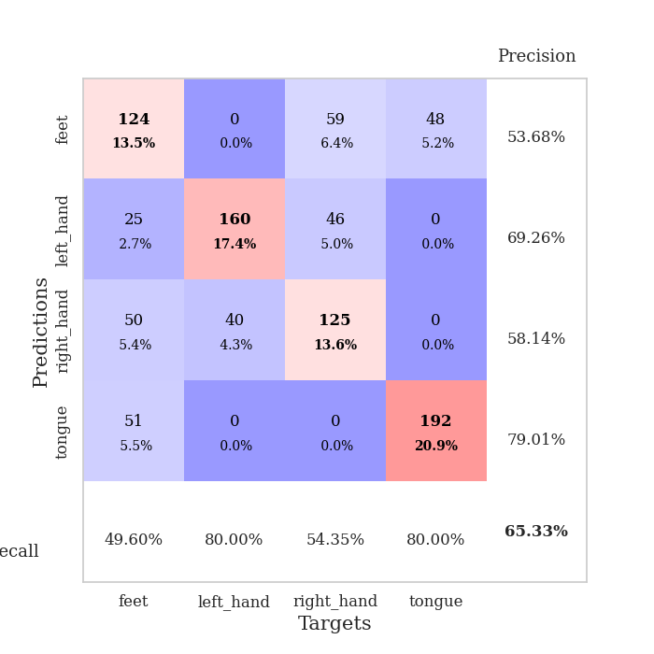
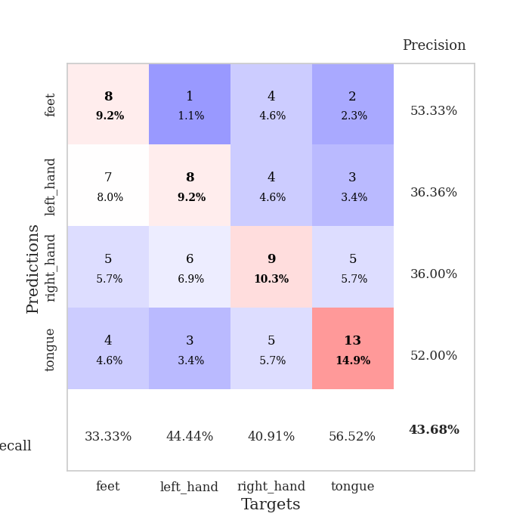
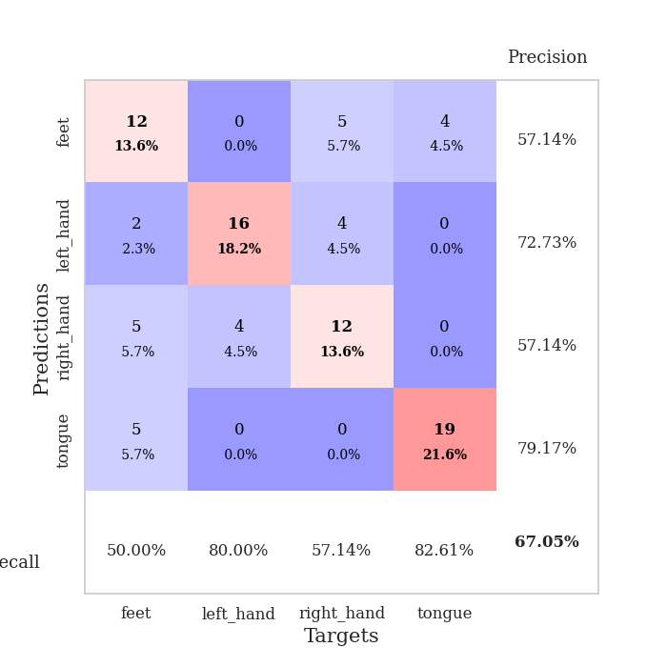
best_val_acc | best_val_los | best_test_acc
0.4347826087 | 1.3969948551 | 0.35344827586
0.4347826087 | 1.3427472477 | 0.34482758621
0.33695652174 | 1.4447033664 | 0.38793103448
0.36956521739 | 1.4507703729 | 0.37068965517
0.4347826087 | 1.4704706358 | 0.30172413793
0.42391304348 | 1.4887248174 | 0.33620689655
0.38043478261 | 1.4268482664 | 0.34482758621
0.35869565217 | 1.4667833992 | 0.29310344828
0.39130434783 | 1.6777505512 | 0.30172413793
0.41304347826 | 1.406140908 | 0.30172413793

Mean,std Val accuracy is 0.3978260869565217 , 0.035573732488792975 and mean, std test accuracy is 0.33362068965517244 , 0.032776260626687065
best_val_acc | best_val_los | best_test_acc
0.39130434783 | 1.430435248 | 0.33620689655
0.45652173913 | 1.505782485 | 0.35344827586
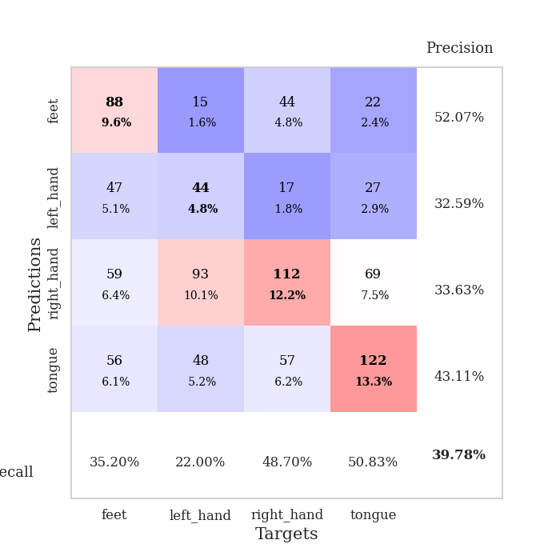
0.40217391304 | 1.5638886897 | 0.34482758621
0.4347826087 | 1.4953641321 | 0.44827586207
0.35869565217 | 1.548228466 | 0.35344827586
0.42391304348 | 1.5213236861 | 0.37068965517
0.45652173913 | 1.3849292734 | 0.33620689655
0.45652173913 | 1.4230001698 | 0.36206896552
0.39130434783 | 1.6015223679 | 0.31896551724
0.45652173913 | 1.4729889942 | 0.35344827586

Mean,std Val accuracy is 0.4228260869565217 , 0.03529588080567406 and mean, std test accuracy is 0.3577586206896552 , 0.03501740691653431
best_val_acc | best_val_los | best_test_acc
0.72826086957 | 0.82660615962 | 0.74137931034
0.72826086957 | 0.80194594808 | 0.74137931034
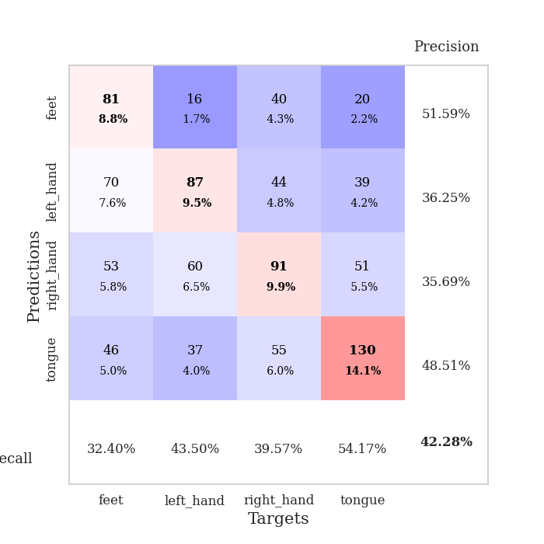
0.84782608696 | 0.89350903293 | 0.87068965517
0.52173913043 | 0.89933795773 | 0.50862068966
0.47826086957 | 0.9185408898 | 0.49137931034
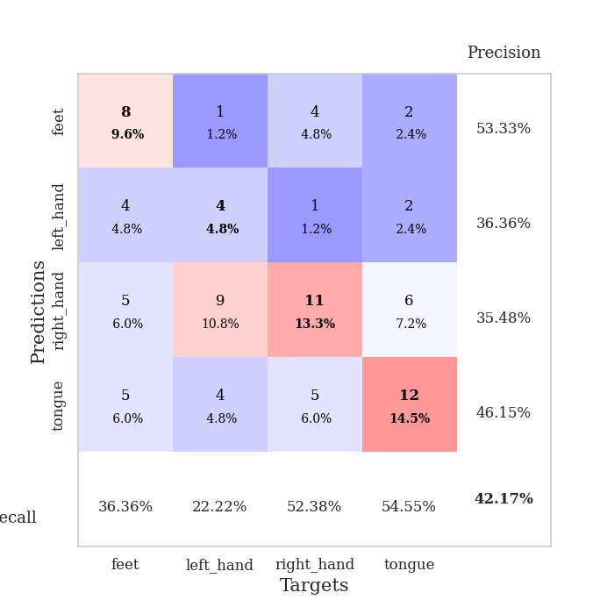
0.47826086957 | 1.2844433836 | 0.49137931034
0.75 | 0.85388697489 | 0.75
0.75 | 0.84306065155 | 0.75
0.51086956522 | 1.0201517758 | 0.48275862069
0.73913043478 | 0.92209664635 | 0.76724137931

Mean,std Val accuracy is 0.6532608695652173 , 0.1390520990218632 and mean, std test accuracy is 0.6594827586206897 , 0.1477721328603573

Sheet1
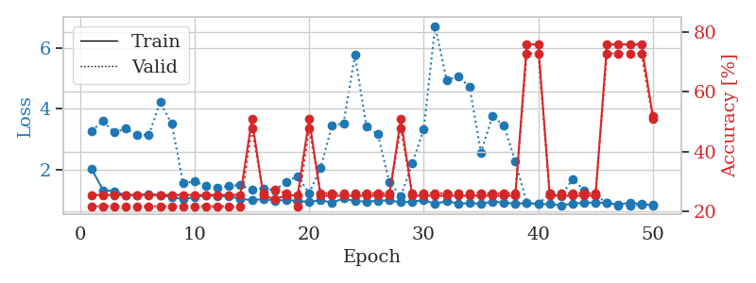
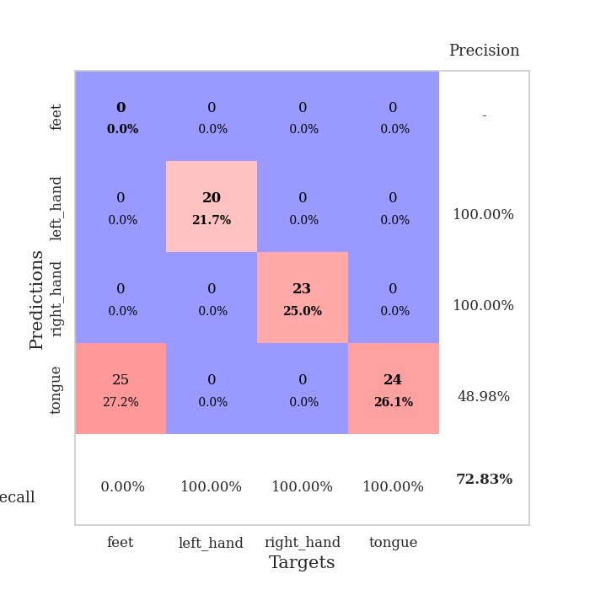
train_loss | valid_loss | train_accuracy | valid_accuracy | dur | train_misclass | valid_misclass
3.953380196 | 2.7563867465 | 0.27173913043 | 0.26086956522 | 0.085205316544 | 27.173913043 | 26.086956522
1.5412452947 | 2.8676194419 | 0.25543478261 | 0.21739130435 | 0.084310770035 | 25.543478261 | 21.739130435
1.3741273051 | 2.3293833422 | 0.32880434783 | 0.21739130435 | 0.083077430725 | 32.880434783 | 21.739130435
1.2875461941 | 1.7966654353 | 0.49456521739 | 0.26086956522 | 0.082676172256 | 49.456521739 | 26.086956522
1.170160716 | 2.1057979024 | 0.42119565217 | 0.25 | 0.082834482193 | 42.119565217 | 25
1.1617825575 | 1.9068516752 | 0.5 | 0.25 | 0.083070516586 | 50 | 25
1.1011344972 | 1.6253096073 | 0.61413043478 | 0.27173913043 | 0.083068847656 | 61.413043478 | 27.173913043
1.0769255265 | 1.4867409779 | 0.67663043478 | 0.35869565217 | 0.082958698273 | 67.663043478 | 35.869565217
1.0079506091 | 1.3969948551 | 0.71195652174 | 0.40217391304 | 0.0830078125 | 71.195652174 | 40.217391304
1.0238132632 | 1.4750040925 | 0.7527173913 | 0.33695652174 | 0.083033084869 | 75.27173913 | 33.695652174
0.93926704189 | 1.4033438071 | 0.77445652174 | 0.41304347826 | 0.083003282547 | 77.445652174 | 41.304347826
0.86302863385 | 1.4304100793 | 0.82608695652 | 0.34782608696 | 0.082991123199 | 82.608695652 | 34.782608696
0.866476414 | 1.4672278062 | 0.76902173913 | 0.40217391304 | 0.08317399025 | 76.902173913 | 40.217391304
0.7475833232 | 1.5420530931 | 0.8152173913 | 0.33695652174 | 0.082990884781 | 81.52173913 | 33.695652174
0.74339400685 | 1.6631835181 | 0.75543478261 | 0.32608695652 | 0.082962989807 | 75.543478261 | 32.608695652
0.7166214067 | 1.6342979099 | 0.76086956522 | 0.36956521739 | 0.083023548126 | 76.086956522 | 36.956521739
0.75328417965 | 1.5867798277 | 0.80434782609 | 0.35869565217 | 0.083036661148 | 80.434782609 | 35.869565217
0.6845209456 | 1.6629242949 | 0.79891304348 | 0.35869565217 | 0.0832259655 | 79.891304348 | 35.869565217
0.70396021397 | 1.6323301533 | 0.79347826087 | 0.4347826087 | 0.083052158356 | 79.347826087 | 43.47826087
0.63166590359 | 1.5953772586 | 0.8777173913 | 0.42391304348 | 0.082966089249 | 87.77173913 | 42.391304348
0.59254005551 | 1.6198890365 | 0.85597826087 | 0.41304347826 | 0.082962989807 | 85.597826087 | 41.304347826
0.60514677607 | 1.6437636096 | 0.85597826087 | 0.41304347826 | 0.082899093628 | 85.597826087 | 41.304347826
0.54833924511 | 1.6784314073 | 0.84782608696 | 0.4347826087 | 0.082855939865 | 84.782608696 | 43.47826087
0.63329306634 | 1.7174814836 | 0.8777173913 | 0.35869565217 | 0.083027124405 | 87.77173913 | 35.869565217
0.51781994558 | 1.7063612938 | 0.86413043478 | 0.39130434783 | 0.083134651184 | 86.413043478 | 39.130434783
0.52170336506 | 1.6751909204 | 0.92391304348 | 0.38043478261 | 0.082971334457 | 92.391304348 | 38.043478261
0.53551758502 | 1.7851639571 | 0.90217391304 | 0.40217391304 | 0.083093643188 | 90.217391304 | 40.217391304
0.49673472798 | 1.7532840242 | 0.90489130435 | 0.39130434783 | 0.083182096481 | 90.489130435 | 39.130434783
0.49134849336 | 1.7700375008 | 0.88315217391 | 0.34782608696 | 0.083139657974 | 88.315217391 | 34.782608696
0.41968618204 | 1.8153157027 | 0.86956521739 | 0.35869565217 | 0.083099126816 | 86.956521739 | 35.869565217
0.419007715 | 1.8386800134 | 0.86413043478 | 0.35869565217 | 0.082978963852 | 86.413043478 | 35.869565217
0.39277363601 | 1.7426368465 | 0.93206521739 | 0.36956521739 | 0.082856178284 | 93.206521739 | 36.956521739
0.43328084376 | 1.7975180667 | 0.88858695652 | 0.35869565217 | 0.082890033722 | 88.858695652 | 35.869565217
0.4576296463 | 1.7187748318 | 0.95652173913 | 0.36956521739 | 0.082881212234 | 95.652173913 | 36.956521739
0.40006217814 | 1.7378048327 | 0.94565217391 | 0.39130434783 | 0.08318734169 | 94.565217391 | 39.130434783
0.41606776611 | 1.7078346999 | 0.94293478261 | 0.38043478261 | 0.082893133163 | 94.293478261 | 38.043478261
0.44657920431 | 1.7306896033 | 0.9347826087 | 0.36956521739 | 0.082743883133 | 93.47826087 | 36.956521739
0.36983110659 | 1.7562208849 | 0.94293478261 | 0.36956521739 | 0.082935094833 | 94.293478261 | 36.956521739
0.33087187163 | 1.7541448293 | 0.95108695652 | 0.36956521739 | 0.082717180252 | 95.108695652 | 36.956521739
0.38086141128 | 1.7717675904 | 0.94293478261 | 0.38043478261 | 0.083085536957 | 94.293478261 | 38.043478261
0.42893988607 | 1.7946224213 | 0.94293478261 | 0.39130434783 | 0.082866191864 | 94.293478261 | 39.130434783
0.39932419165 | 1.8050843166 | 0.94293478261 | 0.38043478261 | 0.083084583282 | 94.293478261 | 38.043478261
0.42246523597 | 1.8026566765 | 0.94293478261 | 0.38043478261 | 0.082933187485 | 94.293478261 | 38.043478261
0.38385497422 | 1.7958809967 | 0.95108695652 | 0.38043478261 | 0.083078384399 | 95.108695652 | 38.043478261
0.36600279678 | 1.8101131553 | 0.95108695652 | 0.38043478261 | 0.083058357239 | 95.108695652 | 38.043478261
0.37102783633 | 1.8119902559 | 0.94836956522 | 0.38043478261 | 0.083139896393 | 94.836956522 | 38.043478261
0.3559919829 | 1.8099635632 | 0.95380434783 | 0.36956521739 | 0.084527015686 | 95.380434783 | 36.956521739
0.40646529457 | 1.8082466074 | 0.95652173913 | 0.36956521739 | 0.082323551178 | 95.652173913 | 36.956521739
0.36984879362 | 1.8072570096 | 0.95652173913 | 0.36956521739 | 0.082398414612 | 95.652173913 | 36.956521739
0.32811046165 | 1.8071173378 | 0.95652173913 | 0.38043478261 | 0.082703351974 | 95.652173913 | 38.043478261

Best Val accuracy is 0.43478260869565216 and Best test accuracy is 0.35344827586206895
train_loss | valid_loss | train_accuracy | valid_accuracy | dur | train_misclass | valid_misclass
3.4454737021 | 27.14424805 | 0.29619565217 | 0.25 | 0.086937189102 | 29.619565217 | 25
1.6368298997 | 9.2346819795 | 0.3777173913 | 0.26086956522 | 0.085018157959 | 37.77173913 | 26.086956522
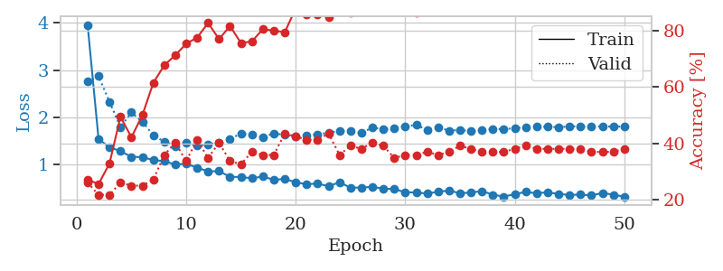
1.6083543871 | 13.719455553 | 0.27717391304 | 0.25 | 0.084899902344 | 27.717391304 | 25
1.5015535666 | 3.59326657 | 0.44293478261 | 0.21739130435 | 0.085224628448 | 44.293478261 | 21.739130435
1.4399373557 | 3.6154283181 | 0.51358695652 | 0.30434782609 | 0.085021018982 | 51.358695652 | 30.434782609
1.3362287957 | 2.1156029753 | 0.51630434783 | 0.22826086957 | 0.085099458694 | 51.630434783 | 22.826086957
1.2500336015 | 2.1387101256 | 0.55163043478 | 0.27173913043 | 0.085015296936 | 55.163043478 | 27.173913043
1.2148141628 | 1.6832538014 | 0.60326086957 | 0.25 | 0.085170030594 | 60.326086957 | 25
1.199926778 | 1.9106855185 | 0.56793478261 | 0.30434782609 | 0.085075378418 | 56.793478261 | 30.434782609
1.1348672302 | 1.6227304832 | 0.64673913043 | 0.3152173913 | 0.085257291794 | 64.673913043 | 31.52173913
1.1401189592 | 1.570922976 | 0.66576086957 | 0.32608695652 | 0.08517575264 | 66.576086957 | 32.608695652
1.1081215687 | 1.5490486829 | 0.64402173913 | 0.33695652174 | 0.085334062576 | 64.402173913 | 33.695652174
1.0370207662 | 1.4423503617 | 0.67391304348 | 0.36956521739 | 0.085077524185 | 67.391304348 | 36.956521739
1.0104051336 | 1.5021901908 | 0.70652173913 | 0.33695652174 | 0.085600137711 | 70.652173913 | 33.695652174
0.98231370553 | 1.8042568901 | 0.72282608696 | 0.32608695652 | 0.0851521492 | 72.282608696 | 32.608695652
1.0263484613 | 1.7032472362 | 0.69293478261 | 0.28260869565 | 0.085018396378 | 69.293478261 | 28.260869565
0.92201176674 | 1.5116073515 | 0.73369565217 | 0.34782608696 | 0.085012197495 | 73.369565217 | 34.782608696
0.90015717952 | 1.5731401703 | 0.73641304348 | 0.35869565217 | 0.084906101227 | 73.641304348 | 35.869565217
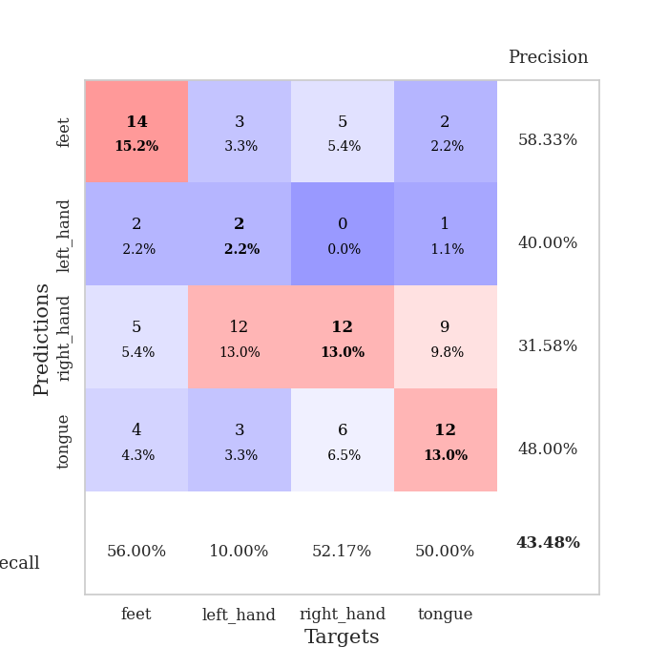
0.96180182436 | 1.5565723906 | 0.72554347826 | 0.30434782609 | 0.085108995438 | 72.554347826 | 30.434782609
0.97525121855 | 1.5184585323 | 0.7472826087 | 0.39130434783 | 0.085035562515 | 74.72826087 | 39.130434783
0.87753578891 | 1.5071273679 | 0.7527173913 | 0.33695652174 | 0.085240840912 | 75.27173913 | 33.695652174
0.82034574773 | 1.4897201009 | 0.77717391304 | 0.36956521739 | 0.084993839264 | 77.717391304 | 36.956521739
0.76722735167 | 1.5299870709 | 0.77717391304 | 0.33695652174 | 0.086446285248 | 77.717391304 | 33.695652174
0.78325675881 | 1.5840880612 | 0.80706521739 | 0.35869565217 | 0.085601568222 | 80.706521739 | 35.869565217
0.81491302926 | 1.5699202133 | 0.79891304348 | 0.36956521739 | 0.085249423981 | 79.891304348 | 36.956521739
0.71761145799 | 1.430435248 | 0.8097826087 | 0.39130434783 | 0.084985256195 | 80.97826087 | 39.130434783
0.79070816999 | 1.5137941319 | 0.8152173913 | 0.38043478261 | 0.085253477097 | 81.52173913 | 38.043478261
0.7330380717 | 1.5430954695 | 0.8152173913 | 0.32608695652 | 0.085062026978 | 81.52173913 | 32.608695652
0.71231813146 | 1.4773858526 | 0.85054347826 | 0.33695652174 | 0.087431192398 | 85.054347826 | 33.695652174
0.72844300451 | 1.4966068527 | 0.8777173913 | 0.34782608696 | 0.088058233261 | 87.77173913 | 34.782608696
0.66880932191 | 1.5781620741 | 0.91032608696 | 0.38043478261 | 0.08534526825 | 91.032608696 | 38.043478261
0.63979615465 | 1.575416793 | 0.89673913043 | 0.38043478261 | 0.085073232651 | 89.673913043 | 38.043478261
0.59859306268 | 1.5798111843 | 0.875 | 0.34782608696 | 0.085309743881 | 87.5 | 34.782608696
0.61600354184 | 1.5922956363 | 0.90217391304 | 0.32608695652 | 0.084964752197 | 90.217391304 | 32.608695652
0.57678557738 | 1.6058454721 | 0.90217391304 | 0.34782608696 | 0.085126876831 | 90.217391304 | 34.782608696
0.52402180304 | 1.6304030989 | 0.9347826087 | 0.32608695652 | 0.084903240204 | 93.47826087 | 32.608695652
0.64683977547 | 1.5337078105 | 0.9375 | 0.36956521739 | 0.085072040558 | 93.75 | 36.956521739
0.52477442182 | 1.532541104 | 0.9402173913 | 0.36956521739 | 0.085023880005 | 94.02173913 | 36.956521739
0.57276032282 | 1.5656238587 | 0.94836956522 | 0.36956521739 | 0.085010766983 | 94.836956522 | 36.956521739
0.60043982319 | 1.588335343 | 0.95652173913 | 0.35869565217 | 0.085011959076 | 95.652173913 | 35.869565217
0.51841211837 | 1.5878891582 | 0.95923913043 | 0.36956521739 | 0.084960460663 | 95.923913043 | 36.956521739
0.53241491771 | 1.5843031873 | 0.9347826087 | 0.38043478261 | 0.087212085724 | 93.47826087 | 38.043478261
0.55860612444 | 1.5989982512 | 0.95108695652 | 0.38043478261 | 0.084890604019 | 95.108695652 | 38.043478261
0.51676651706 | 1.6068463118 | 0.96195652174 | 0.38043478261 | 0.087540864944 | 96.195652174 | 38.043478261
0.52510090237 | 1.6080229542 | 0.96467391304 | 0.38043478261 | 0.08510518074 | 96.467391304 | 38.043478261
0.57107699371 | 1.6124683152 | 0.96467391304 | 0.38043478261 | 0.084947109222 | 96.467391304 | 38.043478261
0.53291900002 | 1.6180979895 | 0.96739130435 | 0.36956521739 | 0.085089445114 | 96.739130435 | 36.956521739
0.50427365303 | 1.6222768296 | 0.96739130435 | 0.36956521739 | 0.085010528564 | 96.739130435 | 36.956521739
0.48527339619 | 1.6253631478 | 0.96739130435 | 0.36956521739 | 0.084982872009 | 96.739130435 | 36.956521739
0.54380713338 | 1.6279215554 | 0.96739130435 | 0.38043478261 | 0.085076332092 | 96.739130435 | 38.043478261

Best Val accuracy is 0.391304347826087 and Best test accuracy is 0.33620689655172414
train_loss | valid_loss | train_accuracy | valid_accuracy | dur | train_misclass | valid_misclass
2.0349972637 | 3.271820369 | 0.25543478261 | 0.21739130435 | 0.20884275436 | 25.543478261 | 21.739130435
1.32597887 | 3.5890621206 | 0.25543478261 | 0.21739130435 | 0.2140622139 | 25.543478261 | 21.739130435
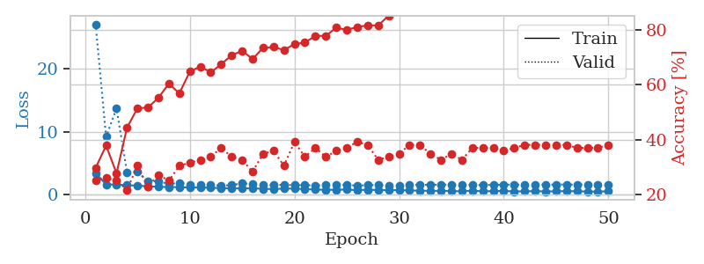
1.287503201 | 3.2181342685 | 0.25543478261 | 0.21739130435 | 0.21150541306 | 25.543478261 | 21.739130435
1.1515004324 | 3.3441095352 | 0.25543478261 | 0.21739130435 | 0.21173834801 | 25.543478261 | 21.739130435
1.1664838895 | 3.1292909021 | 0.25543478261 | 0.21739130435 | 0.21099328995 | 25.543478261 | 21.739130435
1.1984767914 | 3.1431433947 | 0.25543478261 | 0.21739130435 | 0.21244359016 | 25.543478261 | 21.739130435
1.157261426 | 4.2159089835 | 0.25543478261 | 0.21739130435 | 0.21038460732 | 25.543478261 | 21.739130435
1.1058090407 | 3.5048872906 | 0.25543478261 | 0.21739130435 | 0.20979905128 | 25.543478261 | 21.739130435
1.0258677628 | 1.5577095332 | 0.25543478261 | 0.21739130435 | 0.20901203156 | 25.543478261 | 21.739130435
1.0987053773 | 1.608449599 | 0.25543478261 | 0.21739130435 | 0.21091747284 | 25.543478261 | 21.739130435
1.1599724293 | 1.4699927776 | 0.25543478261 | 0.21739130435 | 0.21306872368 | 25.543478261 | 21.739130435
1.1314435161 | 1.4122676849 | 0.25543478261 | 0.21739130435 | 0.21070599556 | 25.543478261 | 21.739130435
1.1215318649 | 1.4555035052 | 0.25543478261 | 0.21739130435 | 0.21140193939 | 25.543478261 | 21.739130435
1.0440437509 | 1.4996075371 | 0.25543478261 | 0.21739130435 | 0.21030378342 | 25.543478261 | 21.739130435
0.99684273678 | 1.3312823202 | 0.50815217391 | 0.47826086957 | 0.20959806442 | 50.815217391 | 47.826086957
1.0304738465 | 1.3889018194 | 0.2527173913 | 0.26086956522 | 0.21319818497 | 25.27173913 | 26.086956522
0.9851457373 | 1.3219075566 | 0.24184782609 | 0.27173913043 | 0.21005868912 | 24.184782609 | 27.173913043
1.0029074135 | 1.6037157722 | 0.2527173913 | 0.26086956522 | 0.21149206161 | 25.27173913 | 26.086956522
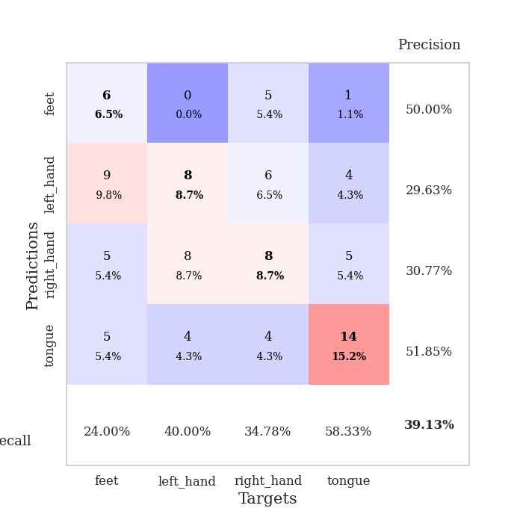
0.97585713604 | 1.7786468371 | 0.25543478261 | 0.21739130435 | 0.20995807648 | 25.543478261 | 21.739130435
0.93579828998 | 1.2270750637 | 0.50815217391 | 0.47826086957 | 0.20948672295 | 50.815217391 | 47.826086957
0.99424880743 | 2.0594543374 | 0.2527173913 | 0.26086956522 | 0.20895957947 | 25.27173913 | 26.086956522
0.91740597849 | 3.4509325338 | 0.2527173913 | 0.26086956522 | 0.20892858505 | 25.27173913 | 26.086956522
1.0522558223 | 3.5183960044 | 0.2527173913 | 0.26086956522 | 0.20796871185 | 25.27173913 | 26.086956522
0.96370183126 | 5.7579753917 | 0.2527173913 | 0.26086956522 | 0.20949196815 | 25.27173913 | 26.086956522
0.95080182863 | 3.4075213412 | 0.2527173913 | 0.26086956522 | 0.20889425278 | 25.27173913 | 26.086956522
0.97513420426 | 3.1605685587 | 0.2527173913 | 0.26086956522 | 0.20623111725 | 25.27173913 | 26.086956522
0.99071021443 | 1.5865989353 | 0.2527173913 | 0.26086956522 | 0.20801925659 | 25.27173913 | 26.086956522
0.92817579922 | 1.118703837 | 0.50815217391 | 0.47826086957 | 0.2109951973 | 50.815217391 | 47.826086957
0.94498086494 | 2.2015475605 | 0.2527173913 | 0.26086956522 | 0.21008610725 | 25.27173913 | 26.086956522
1.0001859872 | 3.3207908713 | 0.2527173913 | 0.26086956522 | 0.2100417614 | 25.27173913 | 26.086956522
0.87237222039 | 6.7164463375 | 0.2527173913 | 0.26086956522 | 0.2129149437 | 25.27173913 | 26.086956522
0.96904879808 | 4.9365028506 | 0.2527173913 | 0.26086956522 | 0.2117857933 | 25.27173913 | 26.086956522
0.88162447059 | 5.0594822635 | 0.2527173913 | 0.26086956522 | 0.21072864532 | 25.27173913 | 26.086956522
0.89819342416 | 4.7213471661 | 0.2527173913 | 0.26086956522 | 0.20694375038 | 25.27173913 | 26.086956522
0.87902552667 | 2.5577164111 | 0.2527173913 | 0.26086956522 | 0.20908045769 | 25.27173913 | 26.086956522
0.94572090584 | 3.7568585458 | 0.2527173913 | 0.26086956522 | 0.20988678932 | 25.27173913 | 26.086956522
0.91821373805 | 3.451839644 | 0.2527173913 | 0.26086956522 | 0.21214008331 | 25.27173913 | 26.086956522
0.8803854196 | 2.2692162783 | 0.2527173913 | 0.26086956522 | 0.21055936813 | 25.27173913 | 26.086956522
0.90510933036 | 0.90937326006 | 0.75815217391 | 0.72826086957 | 0.21067476273 | 75.815217391 | 72.826086957
0.86661094427 | 0.87218178873 | 0.75815217391 | 0.72826086957 | 0.21039819717 | 75.815217391 | 72.826086957
0.86753609388 | 1.2125923478 | 0.2527173913 | 0.26086956522 | 0.20945262909 | 25.27173913 | 26.086956522
0.82458084044 | 1.1255241011 | 0.2527173913 | 0.26086956522 | 0.21015191078 | 25.27173913 | 26.086956522
0.88655942678 | 1.6896392936 | 0.2527173913 | 0.26086956522 | 0.2120411396 | 25.27173913 | 26.086956522
0.91419243553 | 1.3263311023 | 0.2527173913 | 0.26086956522 | 0.21247386932 | 25.27173913 | 26.086956522
0.91577258836 | 1.1519506496 | 0.2527173913 | 0.26086956522 | 0.21057581902 | 25.27173913 | 26.086956522
0.90731855579 | 0.90400063732 | 0.75815217391 | 0.72826086957 | 0.2103972435 | 75.815217391 | 72.826086957
0.84577176882 | 0.82863431392 | 0.75815217391 | 0.72826086957 | 0.21008348465 | 75.815217391 | 72.826086957
0.9228818598 | 0.82660615962 | 0.75815217391 | 0.72826086957 | 0.21347761154 | 75.815217391 | 72.826086957
0.86302345991 | 0.84152330523 | 0.75815217391 | 0.72826086957 | 0.21348166466 | 75.815217391 | 72.826086957
0.83106774869 | 0.85515275468 | 0.51902173913 | 0.51086956522 | 0.21239352226 | 51.902173913 | 51.086956522

Best Val accuracy is 0.7282608695652174 and Best test accuracy is 0.7413793103448276

Sheet2
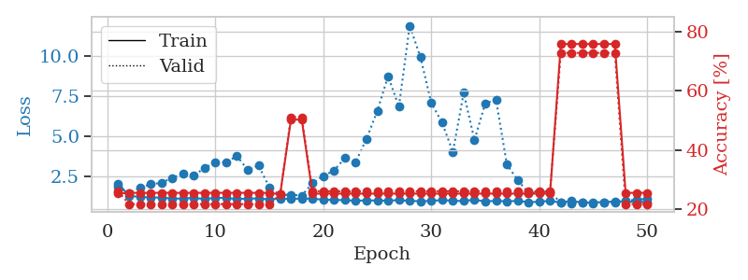
train_loss | valid_loss | train_accuracy | valid_accuracy | dur | train_misclass | valid_misclass
4.7076360143 | 4.420384718 | 0.2527173913 | 0.26086956522 | 0.083268880844 | 25.27173913 | 26.086956522
1.840843973 | 2.0930298411 | 0.2472826087 | 0.27173913043 | 0.08212184906 | 24.72826087 | 27.173913043
1.4108494054 | 1.9477858647 | 0.29347826087 | 0.21739130435 | 0.081794261932 | 29.347826087 | 21.739130435
1.3100407279 | 2.0212770338 | 0.38858695652 | 0.22826086957 | 0.082146167755 | 38.858695652 | 22.826086957
1.1951382549 | 1.4071950342 | 0.5597826087 | 0.42391304348 | 0.082267284393 | 55.97826087 | 42.391304348
1.1156781212 | 1.5524117428 | 0.59510869565 | 0.30434782609 | 0.082505464554 | 59.510869565 | 30.434782609
1.1134963191 | 1.4153685984 | 0.63315217391 | 0.32608695652 | 0.082250118256 | 63.315217391 | 32.608695652
1.0469641867 | 1.537648569 | 0.65760869565 | 0.30434782609 | 0.082312583923 | 65.760869565 | 30.434782609
1.0181405181 | 1.4876264437 | 0.72826086957 | 0.32608695652 | 0.082263946533 | 72.826086957 | 32.608695652
0.98061430973 | 1.3427472477 | 0.69836956522 | 0.40217391304 | 0.082249164581 | 69.836956522 | 40.217391304
0.95307348863 | 1.4298835164 | 0.74184782609 | 0.3152173913 | 0.082271337509 | 74.184782609 | 31.52173913
0.89995658398 | 1.4768898124 | 0.73369565217 | 0.30434782609 | 0.08208656311 | 73.369565217 | 30.434782609
0.90161457528 | 1.5925081709 | 0.75 | 0.30434782609 | 0.08212685585 | 75 | 30.434782609
0.89201109565 | 1.3723787588 | 0.79619565217 | 0.39130434783 | 0.082336425781 | 79.619565217 | 39.130434783
0.86483140095 | 1.4367406316 | 0.72826086957 | 0.42391304348 | 0.082100152969 | 72.826086957 | 42.391304348
0.79884645732 | 1.3670142785 | 0.79076086957 | 0.42391304348 | 0.08674120903 | 79.076086957 | 42.391304348
0.72736306294 | 1.3946769186 | 0.76630434783 | 0.38043478261 | 0.083625555038 | 76.630434783 | 38.043478261
0.75585375661 | 1.4214508948 | 0.8125 | 0.39130434783 | 0.084042549133 | 81.25 | 39.130434783
0.74485497371 | 1.3656464815 | 0.89402173913 | 0.41304347826 | 0.085180521011 | 89.402173913 | 41.304347826
0.59666760849 | 1.4316125434 | 0.83152173913 | 0.38043478261 | 0.087869405746 | 83.152173913 | 38.043478261
0.63110873881 | 1.3922194139 | 0.90760869565 | 0.42391304348 | 0.090166330338 | 90.760869565 | 42.391304348
0.59775755846 | 1.4454895413 | 0.84510869565 | 0.40217391304 | 0.086409330368 | 84.510869565 | 40.217391304
0.63105469683 | 1.5647260676 | 0.91304347826 | 0.36956521739 | 0.083979129791 | 91.304347826 | 36.956521739
0.60398755514 | 1.5099833996 | 0.92391304348 | 0.38043478261 | 0.083899021149 | 92.391304348 | 38.043478261
0.58823831963 | 1.4740734152 | 0.94293478261 | 0.39130434783 | 0.09389591217 | 94.293478261 | 39.130434783
0.54022759199 | 1.5676816339 | 0.875 | 0.41304347826 | 0.083337545395 | 87.5 | 41.304347826
0.57393142451 | 1.4875128373 | 0.90760869565 | 0.40217391304 | 0.086404323578 | 90.760869565 | 40.217391304
0.52599892279 | 1.4995601333 | 0.94293478261 | 0.36956521739 | 0.083932876587 | 94.293478261 | 36.956521739
0.46075607318 | 1.4860679948 | 0.93206521739 | 0.39130434783 | 0.092614412308 | 93.206521739 | 39.130434783
0.4166701436 | 1.4901315492 | 0.93206521739 | 0.39130434783 | 0.090445518494 | 93.206521739 | 39.130434783
0.49433622088 | 1.4700886167 | 0.94293478261 | 0.39130434783 | 0.086228609085 | 94.293478261 | 39.130434783
0.46299206951 | 1.5341656104 | 0.97554347826 | 0.41304347826 | 0.084842920303 | 97.554347826 | 41.304347826
0.44218383891 | 1.5431329012 | 0.95923913043 | 0.40217391304 | 0.085095882416 | 95.923913043 | 40.217391304
0.44270912979 | 1.4998029522 | 0.96467391304 | 0.41304347826 | 0.084931850433 | 96.467391304 | 41.304347826
0.43923063382 | 1.4629951819 | 0.96739130435 | 0.42391304348 | 0.084451675415 | 96.739130435 | 42.391304348
0.39668913121 | 1.4733329597 | 0.97554347826 | 0.4347826087 | 0.084261417389 | 97.554347826 | 43.47826087
0.40382445571 | 1.5323531265 | 0.99184782609 | 0.4347826087 | 0.084529876709 | 99.184782609 | 43.47826087
0.38686002726 | 1.5379897926 | 0.98097826087 | 0.41304347826 | 0.084845304489 | 98.097826087 | 41.304347826
0.40005978424 | 1.5204082831 | 0.98913043478 | 0.42391304348 | 0.085438966751 | 98.913043478 | 42.391304348
0.37560502343 | 1.53353844 | 0.98641304348 | 0.42391304348 | 0.092346429825 | 98.641304348 | 42.391304348
0.35861586909 | 1.5396368763 | 0.98913043478 | 0.42391304348 | 0.087426185608 | 98.913043478 | 42.391304348
0.38545309234 | 1.5511412413 | 0.98913043478 | 0.41304347826 | 0.086954116821 | 98.913043478 | 41.304347826
0.35793648077 | 1.5659283451 | 0.98913043478 | 0.41304347826 | 0.091530323029 | 98.913043478 | 41.304347826
0.37785393453 | 1.5644656834 | 0.99184782609 | 0.42391304348 | 0.084909677505 | 99.184782609 | 42.391304348
0.37681777322 | 1.5562079938 | 0.99456521739 | 0.41304347826 | 0.084785699844 | 99.456521739 | 41.304347826
0.38722702083 | 1.5540951905 | 0.99184782609 | 0.41304347826 | 0.084406375885 | 99.184782609 | 41.304347826
0.38176909445 | 1.5584783295 | 0.99456521739 | 0.41304347826 | 0.087005615234 | 99.456521739 | 41.304347826
0.41387205474 | 1.5612543096 | 0.99456521739 | 0.41304347826 | 0.085062742233 | 99.456521739 | 41.304347826
0.34779411166 | 1.563476946 | 0.99456521739 | 0.41304347826 | 0.085341453552 | 99.456521739 | 41.304347826
0.36063077463 | 1.5649577172 | 0.99456521739 | 0.41304347826 | 0.085684776306 | 99.456521739 | 41.304347826

Best Val accuracy is 0.43478260869565216 and Best test accuracy is 0.3448275862068966
train_loss | valid_loss | train_accuracy | valid_accuracy | dur | train_misclass | valid_misclass
2.8951933436 | 9.8683636189 | 0.29619565217 | 0.25 | 0.086435556412 | 29.619565217 | 25
1.6601737789 | 4.3537619684 | 0.34239130435 | 0.23913043478 | 0.084268808365 | 34.239130435 | 23.913043478
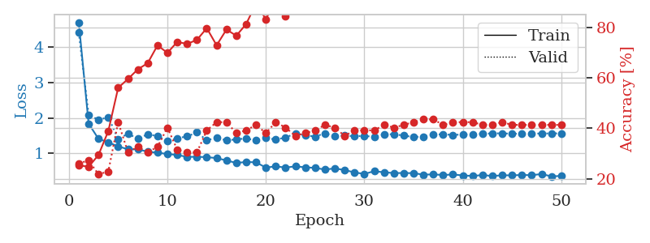
1.4525211272 | 2.8878716645 | 0.35597826087 | 0.23913043478 | 0.084338188171 | 35.597826087 | 23.913043478
1.2836285674 | 1.8382387524 | 0.52989130435 | 0.26086956522 | 0.084412813187 | 52.989130435 | 26.086956522
1.2901097925 | 1.8567592683 | 0.55163043478 | 0.32608695652 | 0.084476947784 | 55.163043478 | 32.608695652
1.2048951543 | 1.505782485 | 0.625 | 0.38043478261 | 0.084761857986 | 62.5 | 38.043478261
1.1373345308 | 1.7030338308 | 0.66304347826 | 0.30434782609 | 0.085078954697 | 66.304347826 | 30.434782609
1.0594085455 | 1.6914549133 | 0.64945652174 | 0.32608695652 | 0.084562540054 | 64.945652174 | 32.608695652
0.98737809451 | 1.5105399567 | 0.71739130435 | 0.34782608696 | 0.08448266983 | 71.739130435 | 34.782608696
0.96962083941 | 1.7629319118 | 0.70108695652 | 0.33695652174 | 0.084742546082 | 70.108695652 | 33.695652174
0.88414892425 | 1.7087673052 | 0.71195652174 | 0.35869565217 | 0.084716081619 | 71.195652174 | 35.869565217
0.90351746912 | 1.5469072435 | 0.77173913043 | 0.35869565217 | 0.084486722946 | 77.173913043 | 35.869565217
0.77663272231 | 1.6884436815 | 0.8125 | 0.32608695652 | 0.084100246429 | 81.25 | 32.608695652
0.74742986715 | 1.6322121413 | 0.80163043478 | 0.35869565217 | 0.093137741089 | 80.163043478 | 35.869565217
0.76306267277 | 1.7078614857 | 0.79347826087 | 0.35869565217 | 0.083179950714 | 79.347826087 | 35.869565217
0.78329096281 | 1.7760536308 | 0.8722826087 | 0.30434782609 | 0.082509994507 | 87.22826087 | 30.434782609
0.70063607459 | 1.6610480184 | 0.89402173913 | 0.40217391304 | 0.082539319992 | 89.402173913 | 40.217391304
0.68432754149 | 1.6888617847 | 0.84239130435 | 0.36956521739 | 0.0825984478 | 84.239130435 | 36.956521739
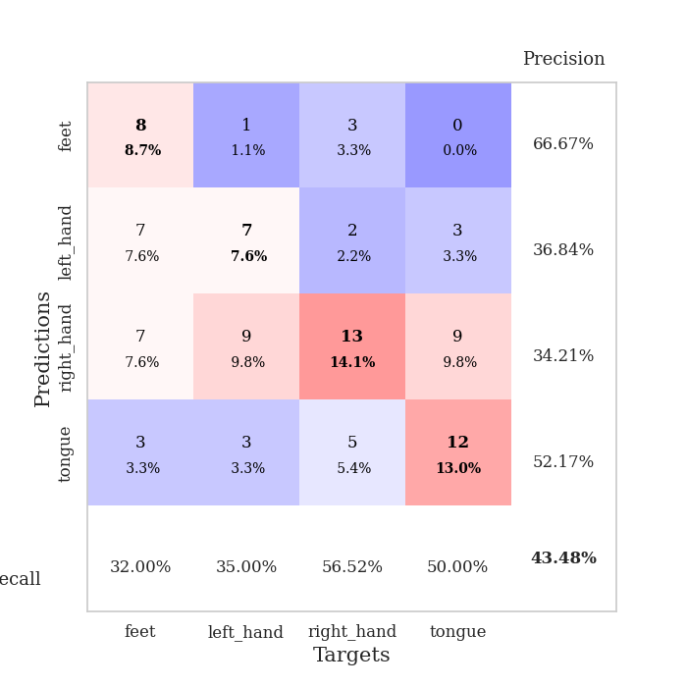
0.6805693857 | 1.57266905 | 0.90760869565 | 0.40217391304 | 0.083142757416 | 90.760869565 | 40.217391304
0.60323450099 | 1.6342253219 | 0.91032608696 | 0.39130434783 | 0.082942485809 | 91.032608696 | 39.130434783
0.66367593019 | 1.6073639497 | 0.84782608696 | 0.38043478261 | 0.082836151123 | 84.782608696 | 38.043478261
0.62036635241 | 1.5900592752 | 0.91304347826 | 0.40217391304 | 0.082852840424 | 91.304347826 | 40.217391304
0.51164287005 | 1.6864357254 | 0.9347826087 | 0.45652173913 | 0.082891225815 | 93.47826087 | 45.652173913
0.55136292136 | 1.7043352594 | 0.88315217391 | 0.44565217391 | 0.083349466324 | 88.315217391 | 44.565217391
0.55868475204 | 1.6050545703 | 0.95923913043 | 0.4347826087 | 0.083103656769 | 95.923913043 | 43.47826087
0.51394592873 | 1.5707701859 | 0.94565217391 | 0.4347826087 | 0.082625627518 | 94.565217391 | 43.47826087
0.48773194007 | 1.620563336 | 0.91576086957 | 0.44565217391 | 0.082879781723 | 91.576086957 | 44.565217391
0.52995933657 | 1.6930165343 | 0.94836956522 | 0.4347826087 | 0.083115100861 | 94.836956522 | 43.47826087
0.48654427477 | 1.6853402335 | 0.95108695652 | 0.41304347826 | 0.082767486572 | 95.108695652 | 41.304347826
0.47988136177 | 1.6608489855 | 0.96739130435 | 0.4347826087 | 0.082838535309 | 96.739130435 | 43.47826087
0.40277259311 | 1.7061292348 | 0.95923913043 | 0.41304347826 | 0.083108186722 | 95.923913043 | 41.304347826
0.45557289927 | 1.7203438956 | 0.97826086957 | 0.40217391304 | 0.082810163498 | 97.826086957 | 40.217391304
0.46665032726 | 1.6426425032 | 0.98097826087 | 0.40217391304 | 0.082987546921 | 98.097826087 | 40.217391304
0.41685449883 | 1.6765784595 | 0.98097826087 | 0.42391304348 | 0.082794427872 | 98.097826087 | 42.391304348
0.39706572599 | 1.6320934037 | 0.97826086957 | 0.41304347826 | 0.082710981369 | 97.826086957 | 41.304347826
0.37490466853 | 1.6469883038 | 0.98913043478 | 0.41304347826 | 0.08301949501 | 98.913043478 | 41.304347826
0.39285437309 | 1.6375566773 | 0.99184782609 | 0.40217391304 | 0.082780599594 | 99.184782609 | 40.217391304
0.39026479941 | 1.6117603882 | 0.98913043478 | 0.41304347826 | 0.082775592804 | 98.913043478 | 41.304347826
0.37632268052 | 1.6459713241 | 0.98641304348 | 0.41304347826 | 0.082879781723 | 98.641304348 | 41.304347826
0.32715527389 | 1.653460342 | 0.98641304348 | 0.4347826087 | 0.082940816879 | 98.641304348 | 43.47826087
0.34317685664 | 1.6451172466 | 0.97826086957 | 0.4347826087 | 0.083040475845 | 97.826086957 | 43.47826087
0.34312411203 | 1.6623760151 | 0.98369565217 | 0.4347826087 | 0.082850456238 | 98.369565217 | 43.47826087
0.31989486289 | 1.6677944868 | 0.99184782609 | 0.42391304348 | 0.082971096039 | 99.184782609 | 42.391304348
0.34097189424 | 1.6545144112 | 0.99184782609 | 0.4347826087 | 0.082958936691 | 99.184782609 | 43.47826087
0.31023512554 | 1.6614388072 | 0.99184782609 | 0.4347826087 | 0.083152532578 | 99.184782609 | 43.47826087
0.30712604652 | 1.6684112963 | 0.99184782609 | 0.4347826087 | 0.082962274551 | 99.184782609 | 43.47826087
0.38894070944 | 1.6746314349 | 0.99184782609 | 0.42391304348 | 0.083046913147 | 99.184782609 | 42.391304348
0.33368055231 | 1.6798471316 | 0.99184782609 | 0.42391304348 | 0.082911968231 | 99.184782609 | 42.391304348
0.36215914721 | 1.6824370208 | 0.99184782609 | 0.42391304348 | 0.083700418472 | 99.184782609 | 42.391304348
0.36332437007 | 1.6839208396 | 0.99184782609 | 0.42391304348 | 0.081907510757 | 99.184782609 | 42.391304348

Best Val accuracy is 0.45652173913043476 and Best test accuracy is 0.35344827586206895
train_loss | valid_loss | train_accuracy | valid_accuracy | dur | train_misclass | valid_misclass
2.0335220669 | 1.8155030427 | 0.2527173913 | 0.26086956522 | 0.21290922165 | 25.27173913 | 26.086956522
1.2590001588 | 1.4297840543 | 0.25543478261 | 0.21739130435 | 0.21110987663 | 25.543478261 | 21.739130435
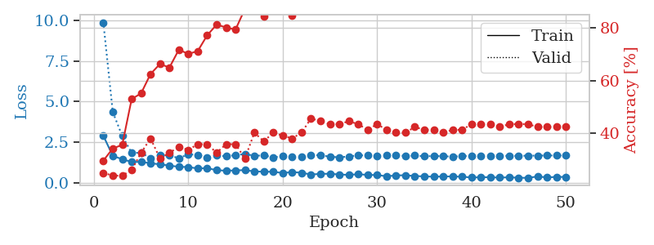
1.2032057721 | 1.7621001005 | 0.25543478261 | 0.21739130435 | 0.21023082733 | 25.543478261 | 21.739130435
1.1572632893 | 1.9855445468 | 0.25543478261 | 0.21739130435 | 0.21133899689 | 25.543478261 | 21.739130435
1.1605226294 | 2.0714103761 | 0.25543478261 | 0.21739130435 | 0.20835185051 | 25.543478261 | 21.739130435
1.0939237294 | 2.3832306655 | 0.25543478261 | 0.21739130435 | 0.20761585236 | 25.543478261 | 21.739130435
1.0944548482 | 2.6506500762 | 0.25543478261 | 0.21739130435 | 0.2043595314 | 25.543478261 | 21.739130435
1.1389812464 | 2.5190348729 | 0.25543478261 | 0.21739130435 | 0.2123529911 | 25.543478261 | 21.739130435
1.0620175237 | 3.0082658581 | 0.25543478261 | 0.21739130435 | 0.20893573761 | 25.543478261 | 21.739130435
1.1401662878 | 3.348589949 | 0.25543478261 | 0.21739130435 | 0.20990085602 | 25.543478261 | 21.739130435
1.1371895075 | 3.3684339938 | 0.25543478261 | 0.21739130435 | 0.21231770515 | 25.543478261 | 21.739130435
1.0591433152 | 3.7345013411 | 0.25543478261 | 0.21739130435 | 0.21010923386 | 25.543478261 | 21.739130435
1.0971217933 | 2.8910620316 | 0.25543478261 | 0.21739130435 | 0.21121072769 | 25.543478261 | 21.739130435
1.0991088437 | 3.1543445898 | 0.25543478261 | 0.21739130435 | 0.20881938934 | 25.543478261 | 21.739130435
1.0390385545 | 1.7933804211 | 0.25543478261 | 0.21739130435 | 0.20995187759 | 25.543478261 | 21.739130435
1.0914407087 | 1.318868124 | 0.25 | 0.25 | 0.21106600761 | 25 | 25
1.0698776064 | 1.3305357384 | 0.5027173913 | 0.51086956522 | 0.20979809761 | 50.27173913 | 51.086956522
1.092702368 | 1.2795485673 | 0.5027173913 | 0.51086956522 | 0.2090921402 | 50.27173913 | 51.086956522
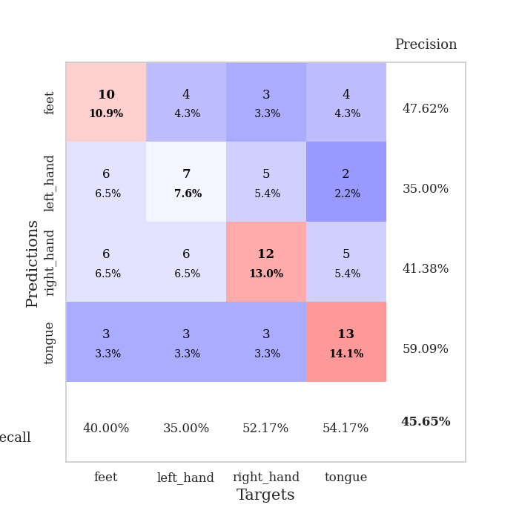
1.0840880275 | 2.0573688175 | 0.2527173913 | 0.26086956522 | 0.20962905884 | 25.27173913 | 26.086956522
1.0219134222 | 2.500513875 | 0.2527173913 | 0.26086956522 | 0.21208715439 | 25.27173913 | 26.086956522
1.0040394456 | 2.8486621794 | 0.2527173913 | 0.26086956522 | 0.21230959892 | 25.27173913 | 26.086956522
0.99751047984 | 3.6212812196 | 0.2527173913 | 0.26086956522 | 0.21100139618 | 25.27173913 | 26.086956522
0.95239755641 | 3.3759410174 | 0.2527173913 | 0.26086956522 | 0.20985865593 | 25.27173913 | 26.086956522
0.98528484158 | 4.8163863472 | 0.2527173913 | 0.26086956522 | 0.21147203445 | 25.27173913 | 26.086956522
0.96536574416 | 6.5547344581 | 0.2527173913 | 0.26086956522 | 0.21151137352 | 25.27173913 | 26.086956522
0.96561925048 | 8.7311388099 | 0.2527173913 | 0.26086956522 | 0.21307229996 | 25.27173913 | 26.086956522
0.99307337274 | 6.8121435124 | 0.2527173913 | 0.26086956522 | 0.21271085739 | 25.27173913 | 26.086956522
0.95141312091 | 11.875913164 | 0.2527173913 | 0.26086956522 | 0.21171045303 | 25.27173913 | 26.086956522
0.92540366494 | 9.8988553337 | 0.2527173913 | 0.26086956522 | 0.2097671032 | 25.27173913 | 26.086956522
0.94328254461 | 7.0578837809 | 0.2527173913 | 0.26086956522 | 0.21412348747 | 25.27173913 | 26.086956522
1.0028910766 | 5.8298829949 | 0.2527173913 | 0.26086956522 | 0.21157932281 | 25.27173913 | 26.086956522
0.95382895418 | 3.9940860168 | 0.2527173913 | 0.26086956522 | 0.21142816544 | 25.27173913 | 26.086956522
0.93850892782 | 7.6879737066 | 0.2527173913 | 0.26086956522 | 0.21210765839 | 25.27173913 | 26.086956522
1.0204956765 | 4.7405803307 | 0.2527173913 | 0.26086956522 | 0.21153450012 | 25.27173913 | 26.086956522
0.91024077457 | 7.0388182143 | 0.2527173913 | 0.26086956522 | 0.21070551872 | 25.27173913 | 26.086956522
0.95627382009 | 7.2478269494 | 0.2527173913 | 0.26086956522 | 0.21080780029 | 25.27173913 | 26.086956522
0.91086776619 | 3.2208127975 | 0.2527173913 | 0.26086956522 | 0.21046900749 | 25.27173913 | 26.086956522
0.95965882229 | 2.2448600271 | 0.2527173913 | 0.26086956522 | 0.21173930168 | 25.27173913 | 26.086956522
0.86819651593 | 1.4420497366 | 0.2527173913 | 0.26086956522 | 0.20878744125 | 25.27173913 | 26.086956522
0.89455019909 | 1.4916698622 | 0.2527173913 | 0.26086956522 | 0.21090126038 | 25.27173913 | 26.086956522
0.95539254468 | 1.5102931106 | 0.2527173913 | 0.26086956522 | 0.21093869209 | 25.27173913 | 26.086956522
0.84021970241 | 0.82440083701 | 0.75815217391 | 0.72826086957 | 0.21013784409 | 75.815217391 | 72.826086957
0.95092669777 | 0.80194594808 | 0.75815217391 | 0.72826086957 | 0.2111017704 | 75.815217391 | 72.826086957
0.83473984055 | 0.84575956801 | 0.75815217391 | 0.72826086957 | 0.20880460739 | 75.815217391 | 72.826086957
0.86195404892 | 0.80208320203 | 0.75815217391 | 0.72826086957 | 0.20938587189 | 75.815217391 | 72.826086957
0.86401586688 | 0.81756156165 | 0.75815217391 | 0.72826086957 | 0.20936107635 | 75.815217391 | 72.826086957
0.92570227255 | 0.82042080682 | 0.75815217391 | 0.72826086957 | 0.20832419395 | 75.815217391 | 72.826086957
0.8999944718 | 0.96221313269 | 0.25543478261 | 0.21739130435 | 0.20916700363 | 25.543478261 | 21.739130435
0.89218106995 | 1.0262999431 | 0.25543478261 | 0.21739130435 | 0.20926737785 | 25.543478261 | 21.739130435
0.87357183384 | 1.0700467099 | 0.25543478261 | 0.21739130435 | 0.20951032639 | 25.543478261 | 21.739130435

Best Val accuracy is 0.7282608695652174 and Best test accuracy is 0.7413793103448276

Sheet3
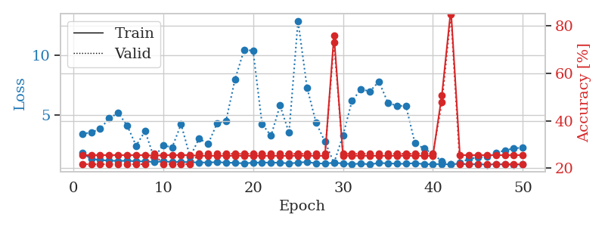
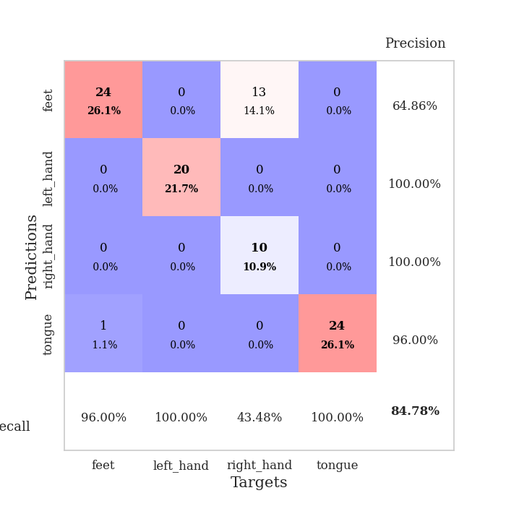
train_loss | valid_loss | train_accuracy | valid_accuracy | dur | train_misclass | valid_misclass
3.3185963683 | 4.7207649687 | 0.26902173913 | 0.21739130435 | 0.089096546173 | 26.902173913 | 21.739130435
1.5653542591 | 5.420892902 | 0.26086956522 | 0.21739130435 | 0.085877895355 | 26.086956522 | 21.739130435
1.4667781902 | 3.5312544159 | 0.26630434783 | 0.21739130435 | 0.084928274155 | 26.630434783 | 21.739130435
1.362228264 | 2.5234433153 | 0.26086956522 | 0.21739130435 | 0.087650060654 | 26.086956522 | 21.739130435
1.2746223315 | 2.2032360305 | 0.29347826087 | 0.21739130435 | 0.084572792053 | 29.347826087 | 21.739130435
1.2086730833 | 1.6016182433 | 0.50815217391 | 0.26086956522 | 0.084439277649 | 50.815217391 | 26.086956522
1.0893419229 | 1.4731603861 | 0.65217391304 | 0.29347826087 | 0.085244178772 | 65.217391304 | 29.347826087
1.0488952606 | 1.5025314818 | 0.65489130435 | 0.30434782609 | 0.085291624069 | 65.489130435 | 30.434782609
1.0027547556 | 1.4447033664 | 0.69836956522 | 0.33695652174 | 0.084557771683 | 69.836956522 | 33.695652174
0.94489829955 | 1.5253674828 | 0.70108695652 | 0.30434782609 | 0.084357261658 | 70.108695652 | 30.434782609
0.91730181808 | 1.4842722934 | 0.75543478261 | 0.3152173913 | 0.08442902565 | 75.543478261 | 31.52173913
0.86153180962 | 1.548808046 | 0.8125 | 0.32608695652 | 0.084214687347 | 81.25 | 32.608695652
0.78795221578 | 1.6696632479 | 0.75543478261 | 0.30434782609 | 0.086918830872 | 75.543478261 | 30.434782609
0.75276957647 | 1.7358995261 | 0.83423913043 | 0.32608695652 | 0.085707187653 | 83.423913043 | 32.608695652
0.74056819211 | 1.8784325745 | 0.83967391304 | 0.3152173913 | 0.094489574432 | 83.967391304 | 31.52173913
0.68237096719 | 1.7641586687 | 0.83152173913 | 0.30434782609 | 0.085154056549 | 83.152173913 | 30.434782609
0.68667066227 | 1.6607442213 | 0.86684782609 | 0.32608695652 | 0.085438251495 | 86.684782609 | 32.608695652
0.70957360708 | 1.8887041082 | 0.80163043478 | 0.29347826087 | 0.084894657135 | 80.163043478 | 29.347826087
0.65503574843 | 1.6332042891 | 0.875 | 0.32608695652 | 0.085598468781 | 87.5 | 32.608695652
0.61329092539 | 1.7976166632 | 0.8097826087 | 0.30434782609 | 0.085597753525 | 80.97826087 | 30.434782609
0.61622906897 | 1.6999855093 | 0.91304347826 | 0.30434782609 | 0.085089921951 | 91.304347826 | 30.434782609
0.58771103815 | 1.6809205802 | 0.8152173913 | 0.3152173913 | 0.084926128387 | 81.52173913 | 31.52173913
0.63283299752 | 1.7713625898 | 0.83695652174 | 0.27173913043 | 0.084989070892 | 83.695652174 | 27.173913043
0.52866519534 | 1.6855326891 | 0.84782608696 | 0.32608695652 | 0.085165262222 | 84.782608696 | 32.608695652
0.54688141041 | 1.7014106564 | 0.8125 | 0.32608695652 | 0.087682962418 | 81.25 | 32.608695652
0.49054456664 | 1.7308795608 | 0.83695652174 | 0.25 | 0.084948539734 | 83.695652174 | 25
0.47993411318 | 1.7035798042 | 0.83967391304 | 0.30434782609 | 0.084846735001 | 83.967391304 | 30.434782609
0.50145432029 | 1.6250832236 | 0.91032608696 | 0.32608695652 | 0.084433794022 | 91.032608696 | 32.608695652
0.49689183384 | 1.6559504426 | 0.89130434783 | 0.29347826087 | 0.084267854691 | 89.130434783 | 29.347826087
0.42784241684 | 1.6503862246 | 0.88858695652 | 0.3152173913 | 0.085174322128 | 88.858695652 | 31.52173913
0.39791381553 | 1.6637180836 | 0.88858695652 | 0.32608695652 | 0.085261106491 | 88.858695652 | 32.608695652
0.40607891847 | 1.6874155635 | 0.90489130435 | 0.3152173913 | 0.085128068924 | 90.489130435 | 31.52173913
0.34952123981 | 1.7498798215 | 0.86956521739 | 0.33695652174 | 0.085305690765 | 86.956521739 | 33.695652174
0.37302595053 | 1.6568958811 | 0.9347826087 | 0.3152173913 | 0.084634780884 | 93.47826087 | 31.52173913
0.43077584712 | 1.701558678 | 0.91304347826 | 0.33695652174 | 0.085094213486 | 91.304347826 | 33.695652174
0.38067409785 | 1.7299312042 | 0.91304347826 | 0.3152173913 | 0.08464717865 | 91.304347826 | 31.52173913
0.39296124552 | 1.7059239719 | 0.9375 | 0.30434782609 | 0.084411144257 | 93.75 | 30.434782609
0.40478942381 | 1.7118514621 | 0.9347826087 | 0.30434782609 | 0.08424115181 | 93.47826087 | 30.434782609
0.42005751152 | 1.715710925 | 0.92663043478 | 0.32608695652 | 0.084436416626 | 92.663043478 | 32.608695652
0.37845277138 | 1.7463246428 | 0.91576086957 | 0.30434782609 | 0.085175275803 | 91.576086957 | 30.434782609
0.33814857382 | 1.7342884385 | 0.92119565217 | 0.33695652174 | 0.084462881088 | 92.119565217 | 33.695652174
0.3594568605 | 1.7180544345 | 0.93206521739 | 0.33695652174 | 0.086647987366 | 93.206521739 | 33.695652174
0.33036927944 | 1.712678816 | 0.9402173913 | 0.30434782609 | 0.084902048111 | 94.02173913 | 30.434782609
0.29943083065 | 1.7284706416 | 0.9402173913 | 0.3152173913 | 0.084738969803 | 94.02173913 | 31.52173913
0.30114754095 | 1.7369356311 | 0.9402173913 | 0.30434782609 | 0.084625244141 | 94.02173913 | 30.434782609
0.34942486558 | 1.7458940485 | 0.94293478261 | 0.30434782609 | 0.085342407227 | 94.293478261 | 30.434782609
0.35524624392 | 1.744044278 | 0.94565217391 | 0.29347826087 | 0.084781646729 | 94.565217391 | 29.347826087
0.38622313446 | 1.7419273387 | 0.94565217391 | 0.29347826087 | 0.084496498108 | 94.565217391 | 29.347826087
0.36751654971 | 1.7413988476 | 0.94565217391 | 0.29347826087 | 0.084376811981 | 94.565217391 | 29.347826087
0.33943148864 | 1.7407943736 | 0.94565217391 | 0.29347826087 | 0.084456205368 | 94.565217391 | 29.347826087

Best Val accuracy is 0.33695652173913043 and Best test accuracy is 0.3879310344827586
train_loss | valid_loss | train_accuracy | valid_accuracy | dur | train_misclass | valid_misclass
2.9338378284 | 16.63201444 | 0.31793478261 | 0.27173913043 | 0.083535432816 | 31.793478261 | 27.173913043
1.6704748143 | 5.8485034963 | 0.36141304348 | 0.22826086957 | 0.081256628036 | 36.141304348 | 22.826086957
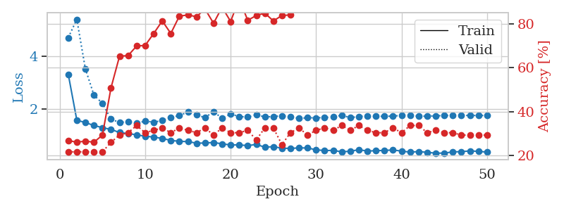
1.5446569505 | 5.6799611631 | 0.35054347826 | 0.29347826087 | 0.081104278564 | 35.054347826 | 29.347826087
1.4531522678 | 2.143835047 | 0.48097826087 | 0.27173913043 | 0.081424236298 | 48.097826087 | 27.173913043
1.308329476 | 2.128637148 | 0.58152173913 | 0.30434782609 | 0.081006765366 | 58.152173913 | 30.434782609
1.2030776169 | 2.2829862678 | 0.60869565217 | 0.33695652174 | 0.081125736237 | 60.869565217 | 33.695652174
1.1065552157 | 1.8168533367 | 0.67119565217 | 0.32608695652 | 0.081386089325 | 67.119565217 | 32.608695652
1.0419276927 | 1.5951256337 | 0.69565217391 | 0.33695652174 | 0.081101179123 | 69.565217391 | 33.695652174
1.0300693201 | 1.5638886897 | 0.72010869565 | 0.33695652174 | 0.081183671951 | 72.010869565 | 33.695652174
0.95915556472 | 1.6351908394 | 0.71739130435 | 0.40217391304 | 0.081447124481 | 71.739130435 | 40.217391304
0.94281278486 | 1.5911443389 | 0.70923913043 | 0.3152173913 | 0.081614494324 | 70.923913043 | 31.52173913
0.94708576669 | 1.6623618914 | 0.79076086957 | 0.28260869565 | 0.081562995911 | 79.076086957 | 28.260869565
0.90696672771 | 1.6105656624 | 0.6847826087 | 0.39130434783 | 0.081351280212 | 68.47826087 | 39.130434783
0.96414042556 | 1.6110904891 | 0.77717391304 | 0.32608695652 | 0.081293582916 | 77.717391304 | 32.608695652
0.87138087594 | 1.6820329998 | 0.76358695652 | 0.32608695652 | 0.081506490707 | 76.358695652 | 32.608695652
0.87386553443 | 1.7261602568 | 0.80434782609 | 0.30434782609 | 0.084622621536 | 80.434782609 | 30.434782609
0.7974741731 | 1.8067222626 | 0.82880434783 | 0.30434782609 | 0.082797050476 | 82.880434783 | 30.434782609
0.75165543867 | 1.7761394252 | 0.79619565217 | 0.3152173913 | 0.082715511322 | 79.619565217 | 31.52173913
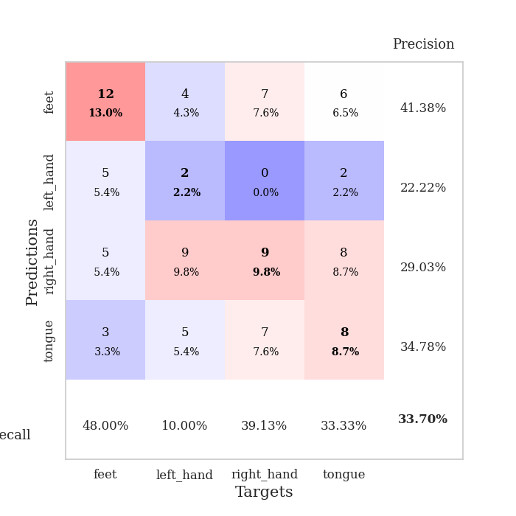
0.75254502633 | 1.7104917454 | 0.84239130435 | 0.35869565217 | 0.082494258881 | 84.239130435 | 35.869565217
0.76185116301 | 1.7595338044 | 0.84510869565 | 0.38043478261 | 0.082628726959 | 84.510869565 | 38.043478261
0.65915060691 | 1.7819530238 | 0.84239130435 | 0.38043478261 | 0.082535028458 | 84.239130435 | 38.043478261
0.68109320428 | 1.7977296632 | 0.89673913043 | 0.3152173913 | 0.082598686218 | 89.673913043 | 31.52173913
0.65232387185 | 1.689624605 | 0.83423913043 | 0.34782608696 | 0.082405805588 | 83.423913043 | 34.782608696
0.65997439105 | 1.8575555293 | 0.8722826087 | 0.32608695652 | 0.082785844803 | 87.22826087 | 32.608695652
0.63147469318 | 1.777932929 | 0.88043478261 | 0.33695652174 | 0.082634210587 | 88.043478261 | 33.695652174
0.61983660641 | 1.8761249988 | 0.86141304348 | 0.32608695652 | 0.082635402679 | 86.141304348 | 32.608695652
0.56878387151 | 1.7167234576 | 0.89673913043 | 0.34782608696 | 0.082640886307 | 89.673913043 | 34.782608696
0.52162800146 | 1.794495935 | 0.88858695652 | 0.32608695652 | 0.082686185837 | 88.858695652 | 32.608695652
0.60957969855 | 1.8837740888 | 0.90760869565 | 0.35869565217 | 0.08470582962 | 90.760869565 | 35.869565217
0.55834708201 | 1.9592008021 | 0.93206521739 | 0.32608695652 | 0.082001209259 | 93.206521739 | 32.608695652
0.53211383198 | 1.8506757539 | 0.89402173913 | 0.35869565217 | 0.08197426796 | 89.402173913 | 35.869565217
0.53492271123 | 1.9639983177 | 0.875 | 0.33695652174 | 0.082188367844 | 87.5 | 33.695652174
0.53168618096 | 2.0045572312 | 0.91304347826 | 0.35869565217 | 0.082173109055 | 91.304347826 | 35.869565217
0.51913888947 | 1.892758214 | 0.89673913043 | 0.36956521739 | 0.082121610641 | 89.673913043 | 36.956521739
0.54542716042 | 1.9148666444 | 0.93206521739 | 0.36956521739 | 0.082127809525 | 93.206521739 | 36.956521739
0.54265231607 | 1.9952817378 | 0.9375 | 0.34782608696 | 0.082132101059 | 93.75 | 34.782608696
0.52783441544 | 1.9287897763 | 0.9402173913 | 0.36956521739 | 0.082087278366 | 94.02173913 | 36.956521739
0.50935670928 | 1.9136576497 | 0.94836956522 | 0.35869565217 | 0.084593057632 | 94.836956522 | 35.869565217
0.46976221904 | 1.9069590724 | 0.95108695652 | 0.35869565217 | 0.082411050797 | 95.108695652 | 35.869565217
0.49419871491 | 2.0097054088 | 0.95380434783 | 0.34782608696 | 0.082442760468 | 95.380434783 | 34.782608696
0.48361903818 | 1.9845887371 | 0.95652173913 | 0.35869565217 | 0.082636356354 | 95.652173913 | 35.869565217
0.43983635695 | 1.9639131038 | 0.95652173913 | 0.38043478261 | 0.082484483719 | 95.652173913 | 38.043478261
0.43853709879 | 1.9692180986 | 0.94565217391 | 0.38043478261 | 0.082707166672 | 94.565217391 | 38.043478261
0.47424073453 | 1.9815994968 | 0.95108695652 | 0.39130434783 | 0.082660198212 | 95.108695652 | 39.130434783
0.41828737376 | 1.9815427324 | 0.95380434783 | 0.39130434783 | 0.08243727684 | 95.380434783 | 39.130434783
0.41197716445 | 1.9962112178 | 0.95652173913 | 0.39130434783 | 0.08265042305 | 95.652173913 | 39.130434783
0.45502192948 | 1.9999452363 | 0.95923913043 | 0.39130434783 | 0.082422971725 | 95.923913043 | 39.130434783
0.46904679615 | 2.0017842728 | 0.95652173913 | 0.39130434783 | 0.084814310074 | 95.652173913 | 39.130434783
0.47279437469 | 2.0059477868 | 0.95923913043 | 0.39130434783 | 0.08216881752 | 95.923913043 | 39.130434783
0.47687407551 | 2.0093678288 | 0.96195652174 | 0.39130434783 | 0.08215546608 | 96.195652174 | 39.130434783

Best Val accuracy is 0.40217391304347827 and Best test accuracy is 0.3448275862068966
train_loss | valid_loss | train_accuracy | valid_accuracy | dur | train_misclass | valid_misclass
1.8200767662 | 3.3921023348 | 0.25543478261 | 0.21739130435 | 0.20595145226 | 25.543478261 | 21.739130435
1.311827784 | 3.5354707863 | 0.25543478261 | 0.21739130435 | 0.20850014687 | 25.543478261 | 21.739130435
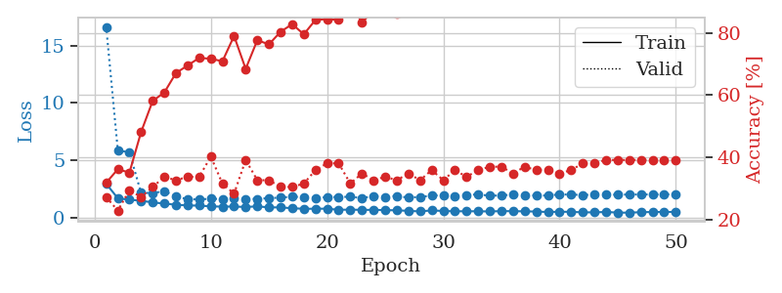
1.2184091858 | 3.8156503387 | 0.25543478261 | 0.21739130435 | 0.20857048035 | 25.543478261 | 21.739130435
1.1674937813 | 4.7020266367 | 0.25543478261 | 0.21739130435 | 0.21214342117 | 25.543478261 | 21.739130435
1.148156985 | 5.1547884112 | 0.25543478261 | 0.21739130435 | 0.20957159996 | 25.543478261 | 21.739130435
1.1556387855 | 4.1110187406 | 0.25543478261 | 0.21739130435 | 0.20992159843 | 25.543478261 | 21.739130435
1.1180454156 | 2.4169378384 | 0.25543478261 | 0.21739130435 | 0.21454071999 | 25.543478261 | 21.739130435
1.1034124779 | 3.6371149498 | 0.25543478261 | 0.21739130435 | 0.21060371399 | 25.543478261 | 21.739130435
1.0593865281 | 1.3937873011 | 0.2527173913 | 0.26086956522 | 0.21100831032 | 25.27173913 | 26.086956522
1.0969235327 | 2.4753563922 | 0.25543478261 | 0.21739130435 | 0.21219801903 | 25.543478261 | 21.739130435
1.0563399403 | 2.2634751589 | 0.25543478261 | 0.21739130435 | 0.21217107773 | 25.543478261 | 21.739130435
1.0655871448 | 4.2117014139 | 0.25543478261 | 0.21739130435 | 0.21185946465 | 25.543478261 | 21.739130435
1.0316157574 | 1.4812138392 | 0.25543478261 | 0.21739130435 | 0.21013379097 | 25.543478261 | 21.739130435
1.0145706638 | 3.0201083992 | 0.2527173913 | 0.26086956522 | 0.21046328545 | 25.27173913 | 26.086956522
1.0107794378 | 2.5525199538 | 0.2527173913 | 0.26086956522 | 0.21027851105 | 25.27173913 | 26.086956522
1.0407598407 | 4.2864372523 | 0.2527173913 | 0.26086956522 | 0.21189332008 | 25.27173913 | 26.086956522
1.0020857065 | 4.5036131817 | 0.2527173913 | 0.26086956522 | 0.21098899841 | 25.27173913 | 26.086956522
0.97818778131 | 7.981222671 | 0.2527173913 | 0.26086956522 | 0.21201205254 | 25.27173913 | 26.086956522
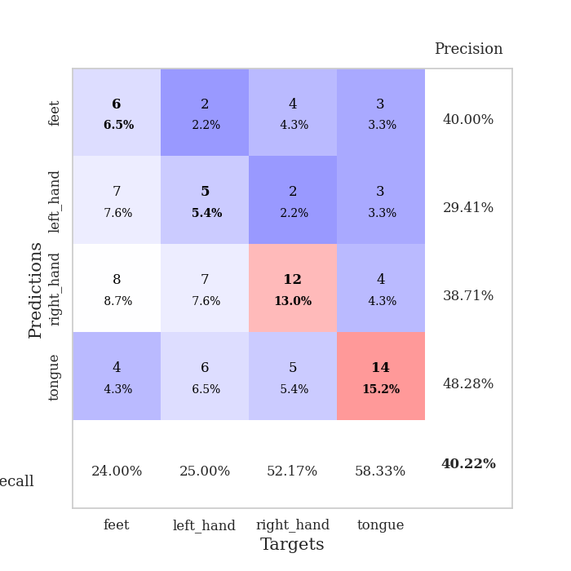
0.94030917727 | 10.402792226 | 0.2527173913 | 0.26086956522 | 0.21072340012 | 25.27173913 | 26.086956522
0.99394536018 | 10.388582603 | 0.2527173913 | 0.26086956522 | 0.21059465408 | 25.27173913 | 26.086956522
1.00832758 | 4.2395918888 | 0.2527173913 | 0.26086956522 | 0.2119808197 | 25.27173913 | 26.086956522
0.99923130222 | 3.2454711769 | 0.2527173913 | 0.26086956522 | 0.21071434021 | 25.27173913 | 26.086956522
0.99864612196 | 5.7854462707 | 0.2527173913 | 0.26086956522 | 0.20984101295 | 25.27173913 | 26.086956522
0.92713151548 | 3.497961376 | 0.2527173913 | 0.26086956522 | 0.21153378487 | 25.27173913 | 26.086956522
0.99838349871 | 12.862537716 | 0.2527173913 | 0.26086956522 | 0.20979690552 | 25.27173913 | 26.086956522
1.0584682097 | 7.2911815851 | 0.2527173913 | 0.26086956522 | 0.20911169052 | 25.27173913 | 26.086956522
0.9358968968 | 4.3633581452 | 0.2527173913 | 0.26086956522 | 0.21371459961 | 25.27173913 | 26.086956522
0.9241716784 | 2.7395676115 | 0.2527173913 | 0.26086956522 | 0.21122097969 | 25.27173913 | 26.086956522
0.99156324501 | 0.97230254049 | 0.75815217391 | 0.72826086957 | 0.21416354179 | 75.815217391 | 72.826086957
0.93364650789 | 3.2647996571 | 0.2527173913 | 0.26086956522 | 0.21457314491 | 25.27173913 | 26.086956522
0.87155454055 | 6.161125349 | 0.2527173913 | 0.26086956522 | 0.21037793159 | 25.27173913 | 26.086956522
0.92581878797 | 7.125196602 | 0.2527173913 | 0.26086956522 | 0.21054887772 | 25.27173913 | 26.086956522
0.85214715937 | 6.9700342261 | 0.2527173913 | 0.26086956522 | 0.20904374123 | 25.27173913 | 26.086956522
0.9695202475 | 7.7845028587 | 0.2527173913 | 0.26086956522 | 0.20918917656 | 25.27173913 | 26.086956522
0.94219091146 | 5.9975294652 | 0.2527173913 | 0.26086956522 | 0.20835447311 | 25.27173913 | 26.086956522
0.90726428447 | 5.7521998571 | 0.2527173913 | 0.26086956522 | 0.21186971664 | 25.27173913 | 26.086956522
0.90325328319 | 5.7507934363 | 0.2527173913 | 0.26086956522 | 0.20965051651 | 25.27173913 | 26.086956522
0.96310544532 | 2.6291484314 | 0.2527173913 | 0.26086956522 | 0.21096491814 | 25.27173913 | 26.086956522
0.87114598699 | 2.1810573391 | 0.2527173913 | 0.26086956522 | 0.21052956581 | 25.27173913 | 26.086956522
0.87355778269 | 1.7453568656 | 0.2527173913 | 0.26086956522 | 0.21071124077 | 25.27173913 | 26.086956522
0.8822382533 | 1.0930187028 | 0.50815217391 | 0.47826086957 | 0.21080589294 | 50.815217391 | 47.826086957
0.84682651188 | 0.89350903293 | 0.86956521739 | 0.84782608696 | 0.20985937119 | 86.956521739 | 84.782608696
0.92416706811 | 0.99073542201 | 0.25543478261 | 0.21739130435 | 0.21142363548 | 25.543478261 | 21.739130435
0.84987038244 | 1.3068462507 | 0.25543478261 | 0.21739130435 | 0.20767974854 | 25.543478261 | 21.739130435
0.89253433373 | 1.4425442063 | 0.25543478261 | 0.21739130435 | 0.211810112 | 25.543478261 | 21.739130435
0.82219611303 | 1.4904973248 | 0.25543478261 | 0.21739130435 | 0.21117186546 | 25.543478261 | 21.739130435
0.88484361897 | 1.8058919492 | 0.25543478261 | 0.21739130435 | 0.21274137497 | 25.543478261 | 21.739130435
0.84007461693 | 2.0310097052 | 0.25543478261 | 0.21739130435 | 0.2126159668 | 25.543478261 | 21.739130435
0.83318108579 | 2.1862210813 | 0.25543478261 | 0.21739130435 | 0.211987257 | 25.543478261 | 21.739130435
0.85613586851 | 2.2689213649 | 0.25543478261 | 0.21739130435 | 0.21265149117 | 25.543478261 | 21.739130435

Best Val accuracy is 0.8478260869565217 and Best test accuracy is 0.8706896551724138

Sheet4
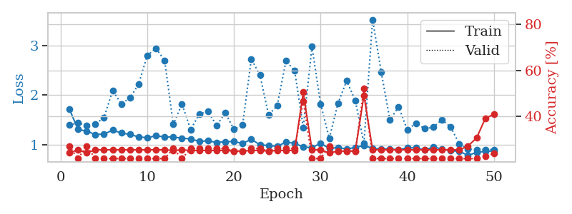
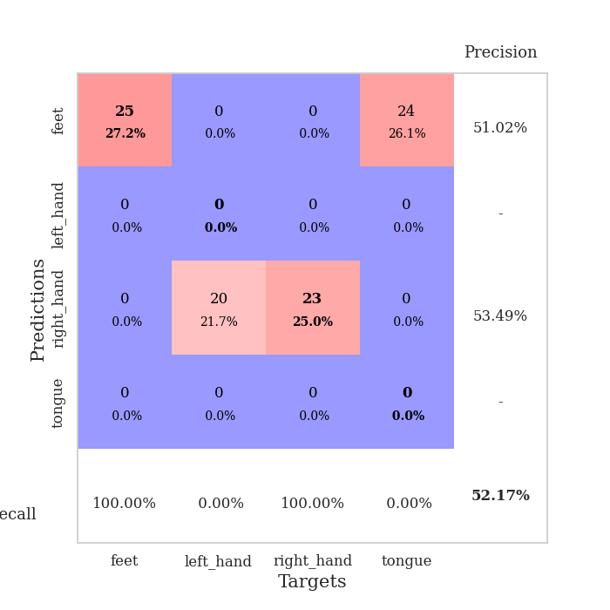
train_loss | valid_loss | train_accuracy | valid_accuracy | dur | train_misclass | valid_misclass
4.1897222477 | 2.9120854917 | 0.29891304348 | 0.22826086957 | 0.085792064667 | 29.891304348 | 22.826086957
1.7642843568 | 3.7914505627 | 0.34782608696 | 0.22826086957 | 0.084234476089 | 34.782608696 | 22.826086957
1.3531245848 | 4.8849330363 | 0.27173913043 | 0.21739130435 | 0.083739995956 | 27.173913043 | 21.739130435
1.284665017 | 3.0328198205 | 0.3097826087 | 0.22826086957 | 0.083831310272 | 30.97826087 | 22.826086957
1.2002025946 | 1.6866096517 | 0.51902173913 | 0.21739130435 | 0.084140300751 | 51.902173913 | 21.739130435
1.1766765118 | 1.6010694815 | 0.6222826087 | 0.28260869565 | 0.084004402161 | 62.22826087 | 28.260869565
1.0941288108 | 1.4875682541 | 0.66576086957 | 0.32608695652 | 0.085079908371 | 66.576086957 | 32.608695652
0.9941869404 | 1.5997785641 | 0.68206521739 | 0.28260869565 | 0.086697340012 | 68.206521739 | 28.260869565
0.97459389852 | 1.474455424 | 0.73369565217 | 0.36956521739 | 0.08517074585 | 73.369565217 | 36.956521739
0.93332092658 | 1.4552489415 | 0.75 | 0.36956521739 | 0.085381984711 | 75 | 36.956521739
0.89264261982 | 1.4507703729 | 0.79891304348 | 0.33695652174 | 0.086741924286 | 79.891304348 | 33.695652174
0.81547338289 | 1.5261213002 | 0.73369565217 | 0.33695652174 | 0.084435939789 | 73.369565217 | 33.695652174
0.77424202147 | 1.5859781763 | 0.76902173913 | 0.33695652174 | 0.084533929825 | 76.902173913 | 33.695652174
0.79635116328 | 1.5446127342 | 0.78532608696 | 0.33695652174 | 0.084702968597 | 78.532608696 | 33.695652174
0.81391464239 | 1.5967321137 | 0.80706521739 | 0.36956521739 | 0.084766149521 | 80.706521739 | 36.956521739
0.72074529658 | 1.6218292506 | 0.78804347826 | 0.33695652174 | 0.084498167038 | 78.804347826 | 33.695652174
0.65051750774 | 1.5649557165 | 0.85869565217 | 0.32608695652 | 0.084384441376 | 85.869565217 | 32.608695652
0.68337266601 | 1.6135056693 | 0.82880434783 | 0.30434782609 | 0.084945678711 | 82.880434783 | 30.434782609
0.6253611873 | 1.6335036081 | 0.875 | 0.3152173913 | 0.086231946945 | 87.5 | 31.52173913
0.60822734496 | 1.6448472427 | 0.88858695652 | 0.33695652174 | 0.08472776413 | 88.858695652 | 33.695652174
0.61441013865 | 1.6857998112 | 0.80706521739 | 0.32608695652 | 0.084534883499 | 80.706521739 | 32.608695652
0.56518666511 | 1.6557294182 | 0.89945652174 | 0.30434782609 | 0.085011959076 | 89.945652174 | 30.434782609
0.52097920361 | 1.6951126586 | 0.89673913043 | 0.32608695652 | 0.08505654335 | 89.673913043 | 32.608695652
0.51643496752 | 1.6048246467 | 0.88858695652 | 0.3152173913 | 0.085211992264 | 88.858695652 | 31.52173913
0.52987945728 | 1.6076653367 | 0.9347826087 | 0.33695652174 | 0.08504319191 | 93.47826087 | 33.695652174
0.48444504388 | 1.6592803572 | 0.91304347826 | 0.33695652174 | 0.084702730179 | 91.304347826 | 33.695652174
0.524067915 | 1.7865918978 | 0.875 | 0.34782608696 | 0.084843635559 | 87.5 | 34.782608696
0.51102952853 | 1.660837614 | 0.94293478261 | 0.36956521739 | 0.08488202095 | 94.293478261 | 36.956521739
0.48075365113 | 1.7154129951 | 0.94836956522 | 0.30434782609 | 0.084150314331 | 94.836956522 | 30.434782609
0.42727636384 | 1.7608076023 | 0.92119565217 | 0.34782608696 | 0.085094451904 | 92.119565217 | 34.782608696
0.40835008349 | 1.7924123691 | 0.92934782609 | 0.36956521739 | 0.085178136826 | 92.934782609 | 36.956521739
0.38237036505 | 1.7656028582 | 0.95108695652 | 0.35869565217 | 0.085090875626 | 95.108695652 | 35.869565217
0.41271551925 | 1.7762153615 | 0.94836956522 | 0.33695652174 | 0.085207939148 | 94.836956522 | 33.695652174
0.42075050007 | 1.8366798681 | 0.9375 | 0.32608695652 | 0.085035085678 | 93.75 | 32.608695652
0.39916867536 | 1.80787271 | 0.95108695652 | 0.32608695652 | 0.086469173431 | 95.108695652 | 32.608695652
0.38416426985 | 1.8026336587 | 0.96739130435 | 0.34782608696 | 0.084584474564 | 96.739130435 | 34.782608696
0.36973532808 | 1.8450840193 | 0.95652173913 | 0.34782608696 | 0.08466219902 | 95.652173913 | 34.782608696
0.40326878364 | 1.7779318353 | 0.96195652174 | 0.33695652174 | 0.084541320801 | 96.195652174 | 33.695652174
0.32157109354 | 1.7984684654 | 0.96467391304 | 0.33695652174 | 0.084664344788 | 96.467391304 | 33.695652174
0.31863710155 | 1.7990821704 | 0.98097826087 | 0.35869565217 | 0.084553480148 | 98.097826087 | 35.869565217
0.30864249882 | 1.7858573665 | 0.97554347826 | 0.32608695652 | 0.084446907043 | 97.554347826 | 32.608695652
0.39797166022 | 1.7970873377 | 0.97554347826 | 0.35869565217 | 0.087208747864 | 97.554347826 | 35.869565217
0.39287676889 | 1.8053985523 | 0.97010869565 | 0.33695652174 | 0.086298942566 | 97.010869565 | 33.695652174
0.28805327351 | 1.8007686501 | 0.97282608696 | 0.33695652174 | 0.089744329453 | 97.282608696 | 33.695652174
0.34563018544 | 1.8004023718 | 0.97554347826 | 0.33695652174 | 0.084328174591 | 97.554347826 | 33.695652174
0.35158496318 | 1.8018810853 | 0.97826086957 | 0.34782608696 | 0.085447788239 | 97.826086957 | 34.782608696
0.38753729605 | 1.8039231715 | 0.98097826087 | 0.34782608696 | 0.084839820862 | 98.097826087 | 34.782608696
0.35779676295 | 1.8048823813 | 0.98097826087 | 0.34782608696 | 0.084452152252 | 98.097826087 | 34.782608696
0.33605552562 | 1.8052666913 | 0.98097826087 | 0.34782608696 | 0.084218025208 | 98.097826087 | 34.782608696
0.32694352548 | 1.8059574988 | 0.98097826087 | 0.35869565217 | 0.084277629852 | 98.097826087 | 35.869565217

Best Val accuracy is 0.3695652173913043 and Best test accuracy is 0.3706896551724138
train_loss | valid_loss | train_accuracy | valid_accuracy | dur | train_misclass | valid_misclass
2.923961572 | 12.483258185 | 0.25543478261 | 0.27173913043 | 0.084477424622 | 25.543478261 | 27.173913043
1.6401784835 | 2.5465206063 | 0.33695652174 | 0.20652173913 | 0.081916809082 | 33.695652174 | 20.652173913
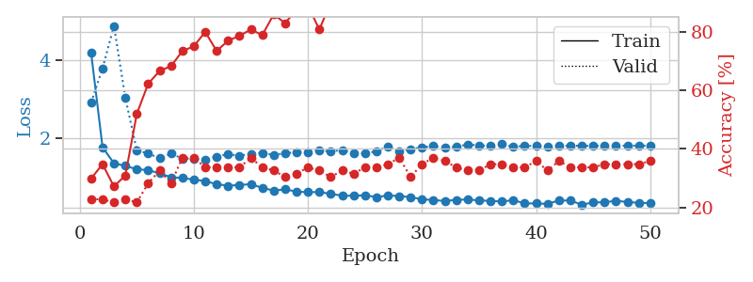
1.4634656491 | 1.8432373327 | 0.42934782609 | 0.21739130435 | 0.081891298294 | 42.934782609 | 21.739130435
1.2773907729 | 2.0282764642 | 0.5 | 0.28260869565 | 0.081994533539 | 50 | 28.260869565
1.2910615698 | 2.3280085118 | 0.51086956522 | 0.30434782609 | 0.082808017731 | 51.086956522 | 30.434782609
1.1911457803 | 1.4953641321 | 0.63586956522 | 0.30434782609 | 0.08399939537 | 63.586956522 | 30.434782609
1.1509333357 | 1.8530267425 | 0.60869565217 | 0.25 | 0.082435846329 | 60.869565217 | 25
1.0536086767 | 2.4970806578 | 0.64130434783 | 0.26086956522 | 0.081879615784 | 64.130434783 | 26.086956522
1.0023789665 | 1.5824889152 | 0.67934782609 | 0.35869565217 | 0.082100629807 | 67.934782609 | 35.869565217
0.95970518693 | 1.5382631395 | 0.74456521739 | 0.33695652174 | 0.082593917847 | 74.456521739 | 33.695652174
0.90189149069 | 1.5039388771 | 0.78260869565 | 0.33695652174 | 0.082247018814 | 78.260869565 | 33.695652174
0.86705796097 | 1.6426991276 | 0.80163043478 | 0.33695652174 | 0.082123994827 | 80.163043478 | 33.695652174
0.84662833421 | 1.7216177142 | 0.78532608696 | 0.35869565217 | 0.082104206085 | 78.532608696 | 35.869565217
0.84803474338 | 1.5314132493 | 0.79619565217 | 0.36956521739 | 0.0823366642 | 79.619565217 | 36.956521739
0.84506119334 | 1.5513425495 | 0.84239130435 | 0.35869565217 | 0.084375619888 | 84.239130435 | 35.869565217
0.68012107066 | 1.6316435493 | 0.81793478261 | 0.40217391304 | 0.082132101059 | 81.793478261 | 40.217391304
0.77047624666 | 1.5684079243 | 0.79619565217 | 0.32608695652 | 0.084178686142 | 79.619565217 | 32.608695652
0.73215308526 | 1.6960444502 | 0.85869565217 | 0.36956521739 | 0.082211732864 | 85.869565217 | 36.956521739
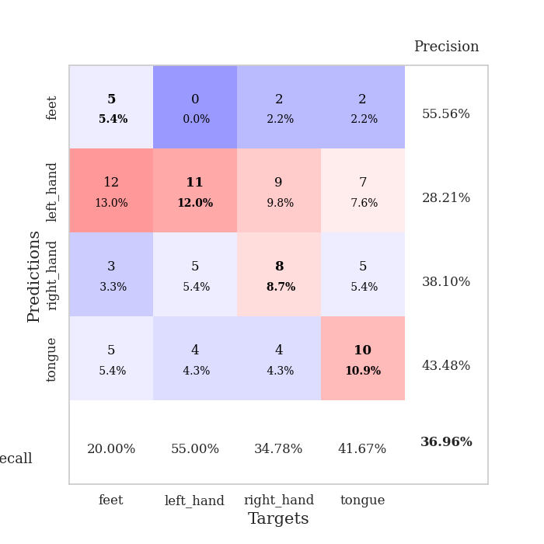
0.68563740409 | 1.6517847725 | 0.90217391304 | 0.34782608696 | 0.082102298737 | 90.217391304 | 34.782608696
0.65203636237 | 1.7316452161 | 0.91304347826 | 0.36956521739 | 0.082142114639 | 91.304347826 | 36.956521739
0.61478160127 | 1.7111498636 | 0.90217391304 | 0.34782608696 | 0.082421302795 | 90.217391304 | 34.782608696
0.58494549212 | 1.7361034259 | 0.91576086957 | 0.41304347826 | 0.08239197731 | 91.576086957 | 41.304347826
0.55494656835 | 1.727695802 | 0.91576086957 | 0.3152173913 | 0.082872390747 | 91.576086957 | 31.52173913
0.51737633607 | 1.7708262153 | 0.89945652174 | 0.38043478261 | 0.082389354706 | 89.945652174 | 38.043478261
0.56409618647 | 1.9052597906 | 0.92934782609 | 0.36956521739 | 0.082313299179 | 92.934782609 | 36.956521739
0.53942903488 | 1.8250724596 | 0.94293478261 | 0.38043478261 | 0.082148075104 | 94.293478261 | 38.043478261
0.50523542483 | 1.9121979682 | 0.94565217391 | 0.38043478261 | 0.082350254059 | 94.565217391 | 38.043478261
0.45579350772 | 1.8620969731 | 0.91847826087 | 0.41304347826 | 0.08238697052 | 91.847826087 | 41.304347826
0.45754338412 | 1.8212600324 | 0.9402173913 | 0.42391304348 | 0.082109451294 | 94.02173913 | 42.391304348
0.42353851899 | 1.8837352006 | 0.96467391304 | 0.4347826087 | 0.082661628723 | 96.467391304 | 43.47826087
0.48859234932 | 1.8102968879 | 0.95108695652 | 0.40217391304 | 0.082723140717 | 95.108695652 | 40.217391304
0.42711967554 | 1.94157405 | 0.97826086957 | 0.42391304348 | 0.082278490067 | 97.826086957 | 42.391304348
0.38099770054 | 1.9101979007 | 0.95652173913 | 0.41304347826 | 0.08229136467 | 95.652173913 | 41.304347826
0.42954848966 | 1.9194458205 | 0.98641304348 | 0.40217391304 | 0.082141160965 | 98.641304348 | 40.217391304
0.35876083439 | 1.9364204251 | 0.97826086957 | 0.36956521739 | 0.082353830338 | 97.826086957 | 36.956521739
0.35575922287 | 1.8939263976 | 0.97826086957 | 0.40217391304 | 0.082081317902 | 97.826086957 | 40.217391304
0.3682982656 | 1.9763449534 | 0.97554347826 | 0.40217391304 | 0.082360744476 | 97.554347826 | 40.217391304
0.32882334357 | 1.9881223181 | 0.97010869565 | 0.39130434783 | 0.08219575882 | 97.010869565 | 39.130434783
0.40022165944 | 1.9996779483 | 0.97554347826 | 0.41304347826 | 0.082194566727 | 97.554347826 | 41.304347826
0.33674700234 | 2.0071834274 | 0.98369565217 | 0.40217391304 | 0.0821621418 | 98.369565217 | 40.217391304
0.38640478966 | 1.9931851936 | 0.98641304348 | 0.39130434783 | 0.084102630615 | 98.641304348 | 39.130434783
0.31062796356 | 1.9983117269 | 0.98641304348 | 0.40217391304 | 0.082273006439 | 98.641304348 | 40.217391304
0.36279384241 | 2.0016491724 | 0.99184782609 | 0.40217391304 | 0.082531452179 | 99.184782609 | 40.217391304
0.31168567616 | 2.0018953707 | 0.99184782609 | 0.39130434783 | 0.082376003265 | 99.184782609 | 39.130434783
0.31226819138 | 2.0047212321 | 0.99184782609 | 0.39130434783 | 0.082425832748 | 99.184782609 | 39.130434783
0.32066794193 | 2.0150036864 | 0.99184782609 | 0.39130434783 | 0.082496643066 | 99.184782609 | 39.130434783
0.30698559336 | 2.0221730263 | 0.99184782609 | 0.38043478261 | 0.082396268845 | 99.184782609 | 38.043478261
0.34598912963 | 2.0250701904 | 0.99184782609 | 0.38043478261 | 0.082452535629 | 99.184782609 | 38.043478261
0.32681717497 | 2.0282314964 | 0.99184782609 | 0.38043478261 | 0.085470199585 | 99.184782609 | 38.043478261
0.38653765392 | 2.0283939579 | 0.99456521739 | 0.38043478261 | 0.083937883377 | 99.456521739 | 38.043478261

Best Val accuracy is 0.43478260869565216 and Best test accuracy is 0.4482758620689655
train_loss | valid_loss | train_accuracy | valid_accuracy | dur | train_misclass | valid_misclass
1.7182637246 | 1.3918392399 | 0.24184782609 | 0.27173913043 | 0.21081423759 | 24.184782609 | 27.173913043
1.3086351053 | 1.4379349584 | 0.25543478261 | 0.21739130435 | 0.21115112305 | 25.543478261 | 21.739130435
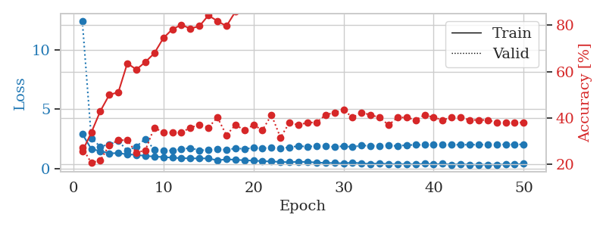
1.2701953857 | 1.3852210408 | 0.24184782609 | 0.27173913043 | 0.20474553108 | 24.184782609 | 27.173913043
1.2041350707 | 1.4176839279 | 0.25543478261 | 0.21739130435 | 0.21209597588 | 25.543478261 | 21.739130435
1.2115586426 | 1.5413681476 | 0.25543478261 | 0.21739130435 | 0.21314191818 | 25.543478261 | 21.739130435
1.2915352738 | 2.0894987376 | 0.25543478261 | 0.21739130435 | 0.21259450912 | 25.543478261 | 21.739130435
1.233638538 | 1.8227006819 | 0.25543478261 | 0.21739130435 | 0.21282529831 | 25.543478261 | 21.739130435
1.205069814 | 1.9400521672 | 0.25543478261 | 0.21739130435 | 0.210968256 | 25.543478261 | 21.739130435
1.154332275 | 2.2204098598 | 0.25543478261 | 0.21739130435 | 0.21234273911 | 25.543478261 | 21.739130435
1.1394968966 | 2.7979962204 | 0.25543478261 | 0.21739130435 | 0.21024823189 | 25.543478261 | 21.739130435
1.176531999 | 2.9404385608 | 0.25543478261 | 0.21739130435 | 0.20939517021 | 25.543478261 | 21.739130435
1.156252322 | 2.6976139338 | 0.25543478261 | 0.21739130435 | 0.2124607563 | 25.543478261 | 21.739130435
1.1500950041 | 1.4070714246 | 0.2527173913 | 0.26086956522 | 0.21219968796 | 25.27173913 | 26.086956522
1.1293581854 | 1.8202056055 | 0.25543478261 | 0.21739130435 | 0.21165513992 | 25.543478261 | 21.739130435
1.115402372 | 1.3014994756 | 0.2527173913 | 0.26086956522 | 0.21021771431 | 25.27173913 | 26.086956522
1.064043413 | 1.6164348436 | 0.2527173913 | 0.26086956522 | 0.21144556999 | 25.27173913 | 26.086956522
1.0767968789 | 1.6676020052 | 0.2527173913 | 0.26086956522 | 0.21053218842 | 25.27173913 | 26.086956522
1.0416948718 | 1.3843915514 | 0.2527173913 | 0.26086956522 | 0.2097890377 | 25.27173913 | 26.086956522
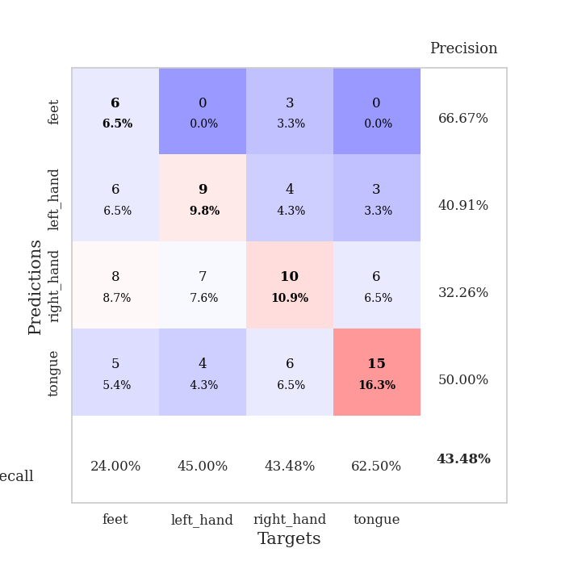
1.0603323708 | 1.640322649 | 0.2527173913 | 0.26086956522 | 0.2092461586 | 25.27173913 | 26.086956522
1.0610484818 | 1.3058443121 | 0.25 | 0.25 | 0.21089410782 | 25 | 25
1.0237796695 | 1.3982244834 | 0.25 | 0.25 | 0.20934486389 | 25 | 25
1.1071467426 | 2.7263107714 | 0.2527173913 | 0.26086956522 | 0.20946717262 | 25.27173913 | 26.086956522
0.99625174636 | 2.4012644187 | 0.2527173913 | 0.26086956522 | 0.211124897 | 25.27173913 | 26.086956522
0.97996287761 | 1.5931365023 | 0.25 | 0.25 | 0.21040153503 | 25 | 25
0.96529504009 | 1.7903058218 | 0.2527173913 | 0.26086956522 | 0.21006608009 | 25.27173913 | 26.086956522
1.0510894371 | 2.6876847329 | 0.2527173913 | 0.26086956522 | 0.20950627327 | 25.27173913 | 26.086956522
1.0236098015 | 2.4929670977 | 0.2527173913 | 0.26086956522 | 0.21107697487 | 25.27173913 | 26.086956522
0.95339413829 | 1.3385913476 | 0.50543478261 | 0.46739130435 | 0.21178936958 | 50.543478261 | 46.739130435
0.9371606889 | 2.9746476464 | 0.25543478261 | 0.21739130435 | 0.21029543877 | 25.543478261 | 21.739130435
1.0264465057 | 1.8184932989 | 0.25543478261 | 0.21739130435 | 0.21068501472 | 25.543478261 | 21.739130435
0.92203580556 | 1.1262876314 | 0.24184782609 | 0.27173913043 | 0.21147990227 | 24.184782609 | 27.173913043
0.94174195632 | 1.8294802904 | 0.25 | 0.25 | 0.21127462387 | 25 | 25
0.9118942126 | 2.2856398043 | 0.25 | 0.25 | 0.21018195152 | 25 | 25
0.94300881158 | 1.8919605172 | 0.25 | 0.25 | 0.21228265762 | 25 | 25
0.98144618843 | 1.0185795193 | 0.49184782609 | 0.52173913043 | 0.2118268013 | 49.184782609 | 52.173913043
0.92435773559 | 3.5199466788 | 0.25543478261 | 0.21739130435 | 0.2118768692 | 25.543478261 | 21.739130435
0.9107143853 | 2.4567504758 | 0.25543478261 | 0.21739130435 | 0.21379256248 | 25.543478261 | 21.739130435
0.91498716499 | 1.4973547821 | 0.25543478261 | 0.21739130435 | 0.20927596092 | 25.543478261 | 21.739130435
0.89224319613 | 1.762593627 | 0.25543478261 | 0.21739130435 | 0.21157002449 | 25.543478261 | 21.739130435
0.93638279127 | 1.2976238468 | 0.25543478261 | 0.21739130435 | 0.21394848824 | 25.543478261 | 21.739130435
0.9327770938 | 1.4335588994 | 0.25543478261 | 0.21739130435 | 0.21139740944 | 25.543478261 | 21.739130435
0.8903845756 | 1.3213783192 | 0.25543478261 | 0.21739130435 | 0.21154785156 | 25.543478261 | 21.739130435
0.95049080123 | 1.3493137204 | 0.25543478261 | 0.21739130435 | 0.21080851555 | 25.543478261 | 21.739130435
0.91216903147 | 1.5031670643 | 0.25543478261 | 0.21739130435 | 0.21204304695 | 25.543478261 | 21.739130435
0.87464798274 | 1.3568912848 | 0.25543478261 | 0.21739130435 | 0.21050953865 | 25.543478261 | 21.739130435
0.86561203003 | 1.0152126447 | 0.25543478261 | 0.21739130435 | 0.2096145153 | 25.543478261 | 21.739130435
0.78366385724 | 0.9088786063 | 0.27173913043 | 0.21739130435 | 0.20974349976 | 27.173913043 | 21.739130435
0.8411502268 | 0.90140015146 | 0.30706521739 | 0.21739130435 | 0.21162176132 | 30.706521739 | 21.739130435
0.86356779285 | 0.89933795773 | 0.39130434783 | 0.22826086957 | 0.21020936966 | 39.130434783 | 22.826086957
0.87238511573 | 0.90083151278 | 0.41032608696 | 0.23913043478 | 0.2093667984 | 41.032608696 | 23.913043478

Best Val accuracy is 0.5217391304347826 and Best test accuracy is 0.5086206896551724

Sheet5
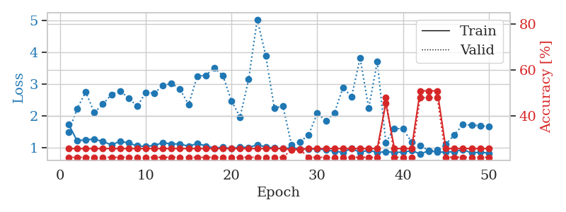
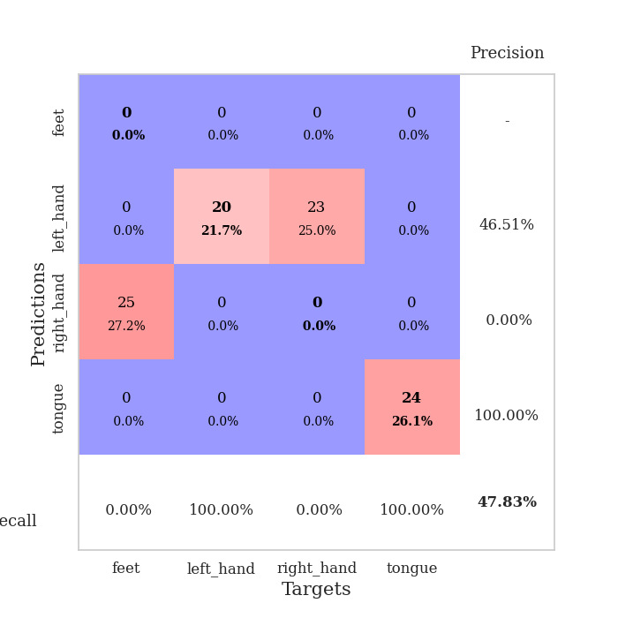
train_loss | valid_loss | train_accuracy | valid_accuracy | dur | train_misclass | valid_misclass
3.138788244 | 3.8423726248 | 0.26086956522 | 0.22826086957 | 0.085930347443 | 26.086956522 | 22.826086957
1.4514962953 | 2.7859435185 | 0.25543478261 | 0.21739130435 | 0.084098339081 | 25.543478261 | 21.739130435
1.4234718447 | 2.1749915869 | 0.32065217391 | 0.21739130435 | 0.084110021591 | 32.065217391 | 21.739130435
1.2237836356 | 1.9981372253 | 0.3722826087 | 0.22826086957 | 0.083823442459 | 37.22826087 | 22.826086957
1.2052148736 | 1.8112707034 | 0.48913043478 | 0.25 | 0.083850622177 | 48.913043478 | 25
1.1540699834 | 1.672576697 | 0.51902173913 | 0.30434782609 | 0.083899736404 | 51.902173913 | 30.434782609
1.0557159496 | 1.6152488304 | 0.6222826087 | 0.34782608696 | 0.083914518356 | 62.22826087 | 34.782608696
1.0268978088 | 1.4846606825 | 0.70923913043 | 0.38043478261 | 0.084038734436 | 70.923913043 | 38.043478261
0.9547000346 | 1.5966073534 | 0.72282608696 | 0.40217391304 | 0.084116458893 | 72.282608696 | 40.217391304
0.93411269654 | 1.5501462066 | 0.73913043478 | 0.40217391304 | 0.084208965302 | 73.913043478 | 40.217391304
0.90463536071 | 1.4704706358 | 0.77173913043 | 0.36956521739 | 0.08425283432 | 77.173913043 | 36.956521739
0.82642601366 | 1.4972858584 | 0.77717391304 | 0.38043478261 | 0.086771249771 | 77.717391304 | 38.043478261
0.82162727092 | 1.5451014197 | 0.71739130435 | 0.41304347826 | 0.086339473724 | 71.739130435 | 41.304347826
0.793287894 | 1.5740143009 | 0.74456521739 | 0.39130434783 | 0.085882663727 | 74.456521739 | 39.130434783
0.72772283787 | 1.5858513376 | 0.80434782609 | 0.42391304348 | 0.084843397141 | 80.434782609 | 42.391304348
0.7599046023 | 1.5448624207 | 0.84782608696 | 0.36956521739 | 0.084610462189 | 84.782608696 | 36.956521739
0.75272328569 | 1.5365743482 | 0.78260869565 | 0.40217391304 | 0.08441400528 | 78.260869565 | 40.217391304
0.72203590429 | 1.5331865186 | 0.77173913043 | 0.4347826087 | 0.084284067154 | 77.173913043 | 43.47826087
0.76019453095 | 1.5373025407 | 0.86684782609 | 0.41304347826 | 0.084550380707 | 86.684782609 | 41.304347826
0.67715033371 | 1.4932793742 | 0.84239130435 | 0.36956521739 | 0.084307909012 | 84.239130435 | 36.956521739
0.65950305566 | 1.5377009485 | 0.86684782609 | 0.4347826087 | 0.084489822388 | 86.684782609 | 43.47826087
0.6258218431 | 1.6152517485 | 0.8722826087 | 0.40217391304 | 0.084378004074 | 87.22826087 | 40.217391304
0.66109501279 | 1.5646132956 | 0.86684782609 | 0.40217391304 | 0.084461450577 | 86.684782609 | 40.217391304
0.63080815453 | 1.6134295619 | 0.90217391304 | 0.4347826087 | 0.084291696548 | 90.217391304 | 43.47826087
0.58843195698 | 1.6672581693 | 0.80706521739 | 0.4347826087 | 0.084262132645 | 80.706521739 | 43.47826087
0.61953592819 | 1.5605699498 | 0.8777173913 | 0.40217391304 | 0.084533452988 | 87.77173913 | 40.217391304
0.58661321065 | 1.5707142094 | 0.84510869565 | 0.42391304348 | 0.084234476089 | 84.510869565 | 42.391304348
0.4797256116 | 1.5515974656 | 0.8722826087 | 0.42391304348 | 0.084190368652 | 87.22826087 | 42.391304348
0.45193214391 | 1.5933704843 | 0.90760869565 | 0.4347826087 | 0.084675550461 | 90.760869565 | 43.47826087
0.47970123978 | 1.5488542422 | 0.90489130435 | 0.42391304348 | 0.084581136703 | 90.489130435 | 42.391304348
0.51501375696 | 1.57850237 | 0.88315217391 | 0.42391304348 | 0.084497451782 | 88.315217391 | 42.391304348
0.43435637199 | 1.5231141785 | 0.9402173913 | 0.40217391304 | 0.084506511688 | 94.02173913 | 40.217391304
0.49002064246 | 1.4883248495 | 0.92934782609 | 0.39130434783 | 0.084504842758 | 92.934782609 | 39.130434783
0.46719177553 | 1.5267330926 | 0.9402173913 | 0.35869565217 | 0.084565401077 | 94.02173913 | 35.869565217
0.40819570617 | 1.5640135174 | 0.9375 | 0.40217391304 | 0.084406137466 | 93.75 | 40.217391304
0.43599432836 | 1.5575821711 | 0.9347826087 | 0.39130434783 | 0.084284067154 | 93.47826087 | 39.130434783
0.43678819939 | 1.5558536001 | 0.95380434783 | 0.38043478261 | 0.084599256516 | 95.380434783 | 38.043478261
0.42637942991 | 1.5343079774 | 0.95108695652 | 0.36956521739 | 0.084275484085 | 95.108695652 | 36.956521739
0.38031885093 | 1.5451247226 | 0.94836956522 | 0.39130434783 | 0.084206342697 | 94.836956522 | 39.130434783
0.41872200823 | 1.5375603645 | 0.95380434783 | 0.40217391304 | 0.084375858307 | 95.380434783 | 40.217391304
0.36494959567 | 1.534025016 | 0.95923913043 | 0.36956521739 | 0.084440231323 | 95.923913043 | 36.956521739
0.37220530795 | 1.5407258428 | 0.96195652174 | 0.39130434783 | 0.084325313568 | 96.195652174 | 39.130434783
0.4385575231 | 1.5383449067 | 0.95923913043 | 0.38043478261 | 0.084412097931 | 95.923913043 | 38.043478261
0.39409260646 | 1.5377038614 | 0.95923913043 | 0.36956521739 | 0.084721803665 | 95.923913043 | 36.956521739
0.38937442976 | 1.5379994797 | 0.95923913043 | 0.38043478261 | 0.084319591522 | 95.923913043 | 38.043478261
0.32564984456 | 1.5402398265 | 0.95923913043 | 0.39130434783 | 0.084334611893 | 95.923913043 | 39.130434783
0.38418170032 | 1.5395083583 | 0.95923913043 | 0.39130434783 | 0.084355831146 | 95.923913043 | 39.130434783
0.36493375833 | 1.5403389827 | 0.95923913043 | 0.38043478261 | 0.084368467331 | 95.923913043 | 38.043478261
0.35267823805 | 1.5408067289 | 0.95923913043 | 0.38043478261 | 0.084636688232 | 95.923913043 | 38.043478261
0.38707418675 | 1.541411291 | 0.95923913043 | 0.39130434783 | 0.084385871887 | 95.923913043 | 39.130434783

Best Val accuracy is 0.43478260869565216 and Best test accuracy is 0.3017241379310345
train_loss | valid_loss | train_accuracy | valid_accuracy | dur | train_misclass | valid_misclass
3.7440778224 | 5.789969465 | 0.29076086957 | 0.33695652174 | 0.084433078766 | 29.076086957 | 33.695652174
1.7579955277 | 11.366935108 | 0.27717391304 | 0.27173913043 | 0.082148313522 | 27.717391304 | 27.173913043
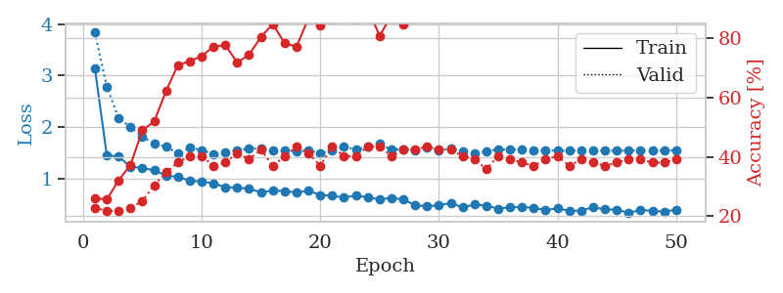
1.4510757431 | 4.1091851048 | 0.38858695652 | 0.3152173913 | 0.082187891006 | 38.858695652 | 31.52173913
1.3284530795 | 1.6595370614 | 0.52717391304 | 0.3152173913 | 0.082410573959 | 52.717391304 | 31.52173913
1.2365428883 | 1.6560690662 | 0.57608695652 | 0.29347826087 | 0.082560777664 | 57.608695652 | 29.347826087
1.1980675044 | 1.8204142063 | 0.54619565217 | 0.28260869565 | 0.082305669785 | 54.619565217 | 28.260869565
1.1684712716 | 1.7640411284 | 0.63858695652 | 0.30434782609 | 0.082427501678 | 63.858695652 | 30.434782609
1.1051819506 | 1.6844073327 | 0.63315217391 | 0.3152173913 | 0.082576274872 | 63.315217391 | 31.52173913
1.0908223961 | 1.616783904 | 0.6222826087 | 0.32608695652 | 0.082548379898 | 62.22826087 | 32.608695652
1.0306334236 | 1.6752506806 | 0.67934782609 | 0.29347826087 | 0.08230805397 | 67.934782609 | 29.347826087
0.9775552024 | 1.6533521206 | 0.70380434783 | 0.3152173913 | 0.082539796829 | 70.380434783 | 31.52173913
0.95499258974 | 1.5996441271 | 0.73913043478 | 0.33695652174 | 0.082669019699 | 73.913043478 | 33.695652174
0.89749789108 | 1.5712313497 | 0.73641304348 | 0.27173913043 | 0.082400798798 | 73.641304348 | 27.173913043
0.90194293468 | 1.6543093972 | 0.71195652174 | 0.34782608696 | 0.082505702972 | 71.195652174 | 34.782608696
0.84039990539 | 1.5893797408 | 0.75 | 0.32608695652 | 0.082937479019 | 75 | 32.608695652
0.84952749636 | 1.548228466 | 0.73097826087 | 0.35869565217 | 0.082567453384 | 73.097826087 | 35.869565217
0.75901450541 | 1.6972317955 | 0.76086956522 | 0.3152173913 | 0.082806587219 | 76.086956522 | 31.52173913
0.79505621739 | 1.661387967 | 0.79891304348 | 0.3152173913 | 0.082578420639 | 79.891304348 | 31.52173913
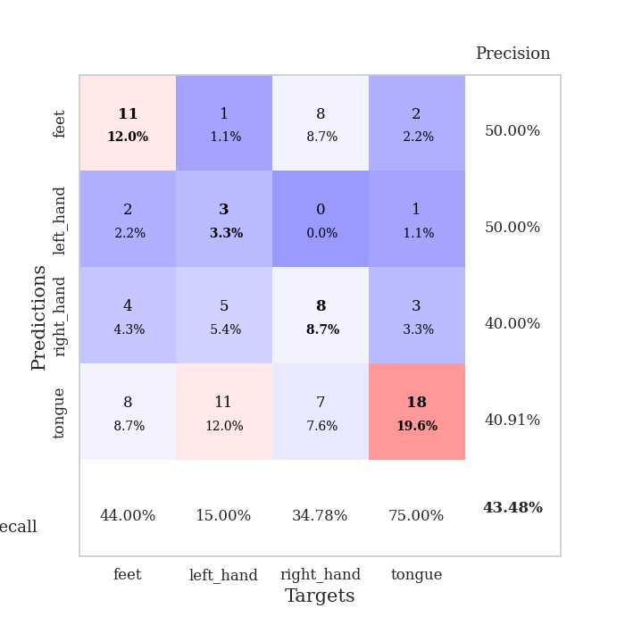
0.76068237424 | 1.6502678913 | 0.83152173913 | 0.34782608696 | 0.082355976105 | 83.152173913 | 34.782608696
0.7393683545 | 1.7264174638 | 0.76086956522 | 0.33695652174 | 0.082365751266 | 76.086956522 | 33.695652174
0.71157724054 | 1.730205821 | 0.84510869565 | 0.3152173913 | 0.082537174225 | 84.510869565 | 31.52173913
0.62053620686 | 1.7064521676 | 0.79891304348 | 0.33695652174 | 0.082502841949 | 79.891304348 | 33.695652174
0.63521816938 | 1.6842323127 | 0.82880434783 | 0.35869565217 | 0.08279299736 | 82.880434783 | 35.869565217
0.6326159796 | 1.7450715511 | 0.8722826087 | 0.32608695652 | 0.082427740097 | 87.22826087 | 32.608695652
0.60484026178 | 1.7870346308 | 0.89130434783 | 0.29347826087 | 0.082542657852 | 89.130434783 | 29.347826087
0.66530937475 | 1.8686369658 | 0.83152173913 | 0.32608695652 | 0.082467794418 | 83.152173913 | 32.608695652
0.60975071529 | 1.9441269325 | 0.89673913043 | 0.33695652174 | 0.082623004913 | 89.673913043 | 33.695652174
0.59353062057 | 1.9406341833 | 0.91847826087 | 0.32608695652 | 0.082487106323 | 91.847826087 | 32.608695652
0.55345639975 | 1.7954843148 | 0.86956521739 | 0.30434782609 | 0.082693099976 | 86.956521739 | 30.434782609
0.52553670173 | 1.8350551025 | 0.91576086957 | 0.30434782609 | 0.082533359528 | 91.576086957 | 30.434782609
0.53015907627 | 1.8976459296 | 0.91304347826 | 0.32608695652 | 0.085091114044 | 91.304347826 | 32.608695652
0.52299597471 | 1.853077676 | 0.85326086957 | 0.30434782609 | 0.083031177521 | 85.326086957 | 30.434782609
0.45253146602 | 1.9343600273 | 0.92119565217 | 0.3152173913 | 0.082704305649 | 92.119565217 | 31.52173913
0.55736007639 | 1.9194711654 | 0.95380434783 | 0.28260869565 | 0.082734823227 | 95.380434783 | 28.260869565
0.43639819713 | 2.0090708992 | 0.96467391304 | 0.29347826087 | 0.082821846008 | 96.467391304 | 29.347826087
0.44748040062 | 1.9118154723 | 0.96195652174 | 0.30434782609 | 0.083012104034 | 96.195652174 | 30.434782609
0.42382346871 | 1.9835144903 | 0.97010869565 | 0.3152173913 | 0.082841396332 | 97.010869565 | 31.52173913
0.43143695399 | 1.9342761817 | 0.97010869565 | 0.29347826087 | 0.083052873611 | 97.010869565 | 29.347826087
0.41983041232 | 1.981181181 | 0.95108695652 | 0.32608695652 | 0.083039522171 | 95.108695652 | 32.608695652
0.41009796249 | 1.9554184675 | 0.96195652174 | 0.29347826087 | 0.082976102829 | 96.195652174 | 29.347826087
0.43574399469 | 1.9793005612 | 0.96739130435 | 0.30434782609 | 0.083226442337 | 96.739130435 | 30.434782609
0.42940116836 | 2.0018714615 | 0.97554347826 | 0.3152173913 | 0.083105564117 | 97.554347826 | 31.52173913
0.40246985529 | 1.9778737037 | 0.97554347826 | 0.30434782609 | 0.083312034607 | 97.554347826 | 30.434782609
0.41868726585 | 1.9706231407 | 0.97826086957 | 0.30434782609 | 0.082942008972 | 97.826086957 | 30.434782609
0.43837480377 | 1.9837361471 | 0.97826086957 | 0.30434782609 | 0.083035469055 | 97.826086957 | 30.434782609
0.40285332501 | 2.00532426 | 0.97554347826 | 0.30434782609 | 0.083308458328 | 97.554347826 | 30.434782609
0.38499908732 | 2.0116781981 | 0.97826086957 | 0.3152173913 | 0.082628011703 | 97.826086957 | 31.52173913
0.3669952653 | 2.018118226 | 0.97826086957 | 0.3152173913 | 0.0825984478 | 97.826086957 | 31.52173913
0.4514858917 | 2.0240871077 | 0.98097826087 | 0.3152173913 | 0.082493066788 | 98.097826087 | 31.52173913
0.41916777517 | 2.028160966 | 0.98097826087 | 0.3152173913 | 0.084688901901 | 98.097826087 | 31.52173913

Best Val accuracy is 0.358695652173913 and Best test accuracy is 0.35344827586206895
train_loss | valid_loss | train_accuracy | valid_accuracy | dur | train_misclass | valid_misclass
1.7491283261 | 1.504540998 | 0.25543478261 | 0.21739130435 | 0.20993804932 | 25.543478261 | 21.739130435
1.2268955163 | 2.2418344021 | 0.25543478261 | 0.21739130435 | 0.20697164536 | 25.543478261 | 21.739130435
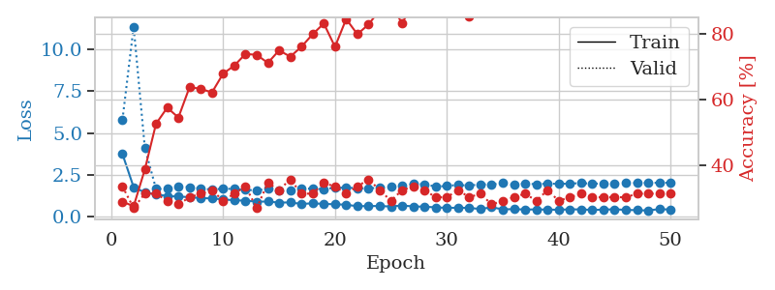
1.2640837872 | 2.7623341187 | 0.25543478261 | 0.21739130435 | 0.20919179916 | 25.543478261 | 21.739130435
1.2769229593 | 2.1142679608 | 0.25543478261 | 0.21739130435 | 0.21006464958 | 25.543478261 | 21.739130435
1.2095300944 | 2.3779097122 | 0.25543478261 | 0.21739130435 | 0.2073264122 | 25.543478261 | 21.739130435
1.0979128376 | 2.6834284223 | 0.25543478261 | 0.21739130435 | 0.21105456352 | 25.543478261 | 21.739130435
1.2134104241 | 2.7992074697 | 0.25543478261 | 0.21739130435 | 0.20987176895 | 25.543478261 | 21.739130435
1.1597662257 | 2.5728710838 | 0.25543478261 | 0.21739130435 | 0.20913076401 | 25.543478261 | 21.739130435
1.0675972156 | 2.3124503467 | 0.25543478261 | 0.21739130435 | 0.20607423782 | 25.543478261 | 21.739130435
1.050879932 | 2.7440950974 | 0.25543478261 | 0.21739130435 | 0.20918798447 | 25.543478261 | 21.739130435
1.0826180448 | 2.7275250995 | 0.25543478261 | 0.21739130435 | 0.21108436584 | 25.543478261 | 21.739130435
1.1706863694 | 2.9633959791 | 0.25543478261 | 0.21739130435 | 0.20849370956 | 25.543478261 | 21.739130435
1.1266050546 | 3.0344224494 | 0.25543478261 | 0.21739130435 | 0.2096722126 | 25.543478261 | 21.739130435
1.1332431073 | 2.8470807386 | 0.25543478261 | 0.21739130435 | 0.21026158333 | 25.543478261 | 21.739130435
1.0523041564 | 2.3631067172 | 0.25543478261 | 0.21739130435 | 0.20862436295 | 25.543478261 | 21.739130435
1.1469639566 | 3.2597967542 | 0.25543478261 | 0.21739130435 | 0.20755314827 | 25.543478261 | 21.739130435
1.0656398898 | 3.2872458852 | 0.25543478261 | 0.21739130435 | 0.21183800697 | 25.543478261 | 21.739130435
0.99943034545 | 3.518840116 | 0.25543478261 | 0.21739130435 | 0.20705962181 | 25.543478261 | 21.739130435
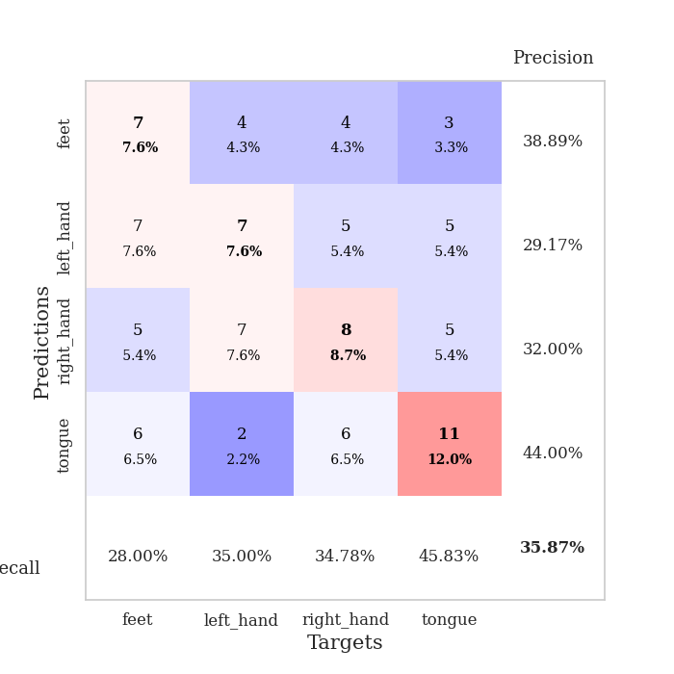
1.0279332373 | 3.2758754233 | 0.25543478261 | 0.21739130435 | 0.21021389961 | 25.543478261 | 21.739130435
0.97814278758 | 2.4784787012 | 0.25543478261 | 0.21739130435 | 0.20852613449 | 25.543478261 | 21.739130435
1.0356799779 | 1.9771504713 | 0.25543478261 | 0.21739130435 | 0.20849704742 | 25.543478261 | 21.739130435
1.0141314242 | 3.1635197453 | 0.25543478261 | 0.21739130435 | 0.20722556114 | 25.543478261 | 21.739130435
1.1035294429 | 5.0436385818 | 0.25543478261 | 0.21739130435 | 0.21246957779 | 25.543478261 | 21.739130435
1.032176847 | 3.8961410315 | 0.25543478261 | 0.21739130435 | 0.2103292942 | 25.543478261 | 21.739130435
1.0075714459 | 2.2552915552 | 0.25543478261 | 0.21739130435 | 0.20964050293 | 25.543478261 | 21.739130435
0.9791641339 | 2.3177432081 | 0.25543478261 | 0.21739130435 | 0.21106624603 | 25.543478261 | 21.739130435
1.0125977397 | 1.0965838691 | 0.25 | 0.25 | 0.20997595787 | 25 | 25
0.97178129787 | 1.1970285644 | 0.2527173913 | 0.25 | 0.21001124382 | 25.27173913 | 25
0.96625471374 | 1.4149090052 | 0.25543478261 | 0.21739130435 | 0.21022558212 | 25.543478261 | 21.739130435
0.97258654366 | 2.0954639082 | 0.25543478261 | 0.21739130435 | 0.21094655991 | 25.543478261 | 21.739130435
0.94390418478 | 1.8568223404 | 0.25543478261 | 0.21739130435 | 0.20914101601 | 25.543478261 | 21.739130435
0.89619914086 | 2.1019895802 | 0.25543478261 | 0.21739130435 | 0.21212339401 | 25.543478261 | 21.739130435
0.86615560625 | 2.9006743638 | 0.25543478261 | 0.21739130435 | 0.21283102036 | 25.543478261 | 21.739130435
0.98817082592 | 2.6176129942 | 0.25543478261 | 0.21739130435 | 0.20879125595 | 25.543478261 | 21.739130435
0.86317249744 | 3.8308806523 | 0.25543478261 | 0.21739130435 | 0.21184921265 | 25.543478261 | 21.739130435
0.93772645359 | 2.2527130065 | 0.25543478261 | 0.21739130435 | 0.20900201797 | 25.543478261 | 21.739130435
0.85753731624 | 3.7172383433 | 0.25543478261 | 0.21739130435 | 0.20993280411 | 25.543478261 | 21.739130435
0.88667037694 | 1.168270733 | 0.45380434783 | 0.47826086957 | 0.2125852108 | 45.380434783 | 47.826086957
0.86525691333 | 1.618142128 | 0.25543478261 | 0.21739130435 | 0.21086287498 | 25.543478261 | 21.739130435
0.86963437174 | 1.6015551868 | 0.25543478261 | 0.21739130435 | 0.2107360363 | 25.543478261 | 21.739130435
0.92043173572 | 1.1897291308 | 0.25543478261 | 0.21739130435 | 0.21256017685 | 25.543478261 | 21.739130435
0.81688915647 | 1.0869099938 | 0.50815217391 | 0.47826086957 | 0.21113419533 | 50.815217391 | 47.826086957
0.91075291582 | 0.9185408898 | 0.50815217391 | 0.47826086957 | 0.21013760567 | 50.815217391 | 47.826086957
0.87551869517 | 0.93584930638 | 0.50815217391 | 0.47826086957 | 0.21032381058 | 50.815217391 | 47.826086957
0.86806159434 | 1.1215464188 | 0.25543478261 | 0.21739130435 | 0.21010947227 | 25.543478261 | 21.739130435
0.88720759361 | 1.421640562 | 0.25543478261 | 0.21739130435 | 0.21254038811 | 25.543478261 | 21.739130435
0.95342966007 | 1.7359726688 | 0.25543478261 | 0.21739130435 | 0.21116161346 | 25.543478261 | 21.739130435
0.84446781355 | 1.7244117208 | 0.25543478261 | 0.21739130435 | 0.21067357063 | 25.543478261 | 21.739130435
0.8702279433 | 1.7026842314 | 0.25543478261 | 0.21739130435 | 0.2098402977 | 25.543478261 | 21.739130435
0.84164988995 | 1.6761082203 | 0.25543478261 | 0.21739130435 | 0.21149134636 | 25.543478261 | 21.739130435

Best Val accuracy is 0.4782608695652174 and Best test accuracy is 0.49137931034482757

Sheet6
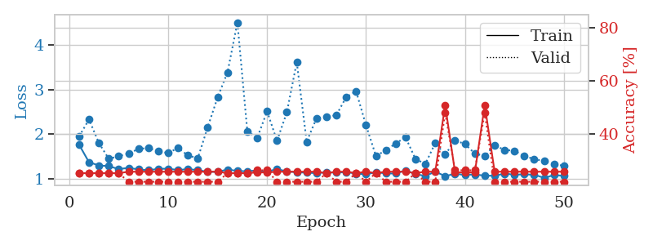
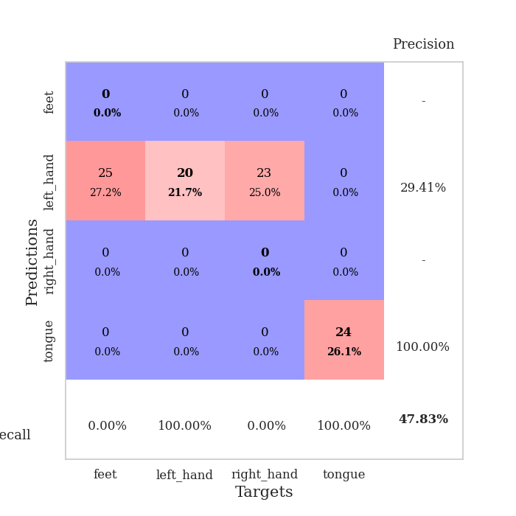
train_loss | valid_loss | train_accuracy | valid_accuracy | dur | train_misclass | valid_misclass
2.9748851994 | 2.8514524439 | 0.25543478261 | 0.21739130435 | 0.085879802704 | 25.543478261 | 21.739130435
1.6116923871 | 3.6237925861 | 0.25543478261 | 0.21739130435 | 0.084045886993 | 25.543478261 | 21.739130435
1.5401602206 | 1.9484391938 | 0.32065217391 | 0.20652173913 | 0.083829164505 | 32.065217391 | 20.652173913
1.3330231128 | 1.6024101351 | 0.45380434783 | 0.28260869565 | 0.083749771118 | 45.380434783 | 28.260869565
1.2612024468 | 2.008537137 | 0.38586956522 | 0.22826086957 | 0.083700418472 | 38.586956522 | 22.826086957
1.1759794432 | 1.6480040861 | 0.55434782609 | 0.30434782609 | 0.083752393723 | 55.434782609 | 30.434782609
1.1385632261 | 1.5029876077 | 0.65760869565 | 0.3152173913 | 0.08371090889 | 65.760869565 | 31.52173913
1.0731302396 | 1.4887248174 | 0.65489130435 | 0.30434782609 | 0.083807706833 | 65.489130435 | 30.434782609
1.0244902061 | 1.533755489 | 0.72826086957 | 0.34782608696 | 0.083817005157 | 72.826086957 | 34.782608696
0.99558429874 | 1.5679359799 | 0.75543478261 | 0.34782608696 | 0.084095001221 | 75.543478261 | 34.782608696
0.94675251453 | 1.638483146 | 0.71739130435 | 0.39130434783 | 0.083623886108 | 71.739130435 | 39.130434783
0.92586307422 | 1.6514773421 | 0.73369565217 | 0.36956521739 | 0.08414888382 | 73.369565217 | 36.956521739
0.88236133689 | 1.6826689243 | 0.68206521739 | 0.33695652174 | 0.083620071411 | 68.206521739 | 33.695652174
0.83354503435 | 1.5315503089 | 0.79619565217 | 0.34782608696 | 0.083470106125 | 79.619565217 | 34.782608696
0.78011639222 | 1.653578157 | 0.82336956522 | 0.30434782609 | 0.083722352982 | 82.336956522 | 30.434782609
0.74049872808 | 1.5268224426 | 0.82065217391 | 0.42391304348 | 0.083657741547 | 82.065217391 | 42.391304348
0.72994695409 | 1.5785486646 | 0.84782608696 | 0.40217391304 | 0.083962917328 | 84.782608696 | 40.217391304
0.73300872678 | 1.6543166378 | 0.86684782609 | 0.34782608696 | 0.083746671677 | 86.684782609 | 34.782608696
0.68592309693 | 1.6497440079 | 0.80434782609 | 0.36956521739 | 0.083745241165 | 80.434782609 | 36.956521739
0.69466004812 | 1.7135179043 | 0.8722826087 | 0.3152173913 | 0.083631753922 | 87.22826087 | 31.52173913
0.61866110693 | 1.7185351952 | 0.80706521739 | 0.35869565217 | 0.083659887314 | 80.706521739 | 35.869565217
0.65052481967 | 1.6453552505 | 0.88315217391 | 0.38043478261 | 0.083806276321 | 88.315217391 | 38.043478261
0.64991796017 | 1.7157267436 | 0.8152173913 | 0.35869565217 | 0.084207773209 | 81.52173913 | 35.869565217
0.62465041617 | 1.5796330908 | 0.84510869565 | 0.34782608696 | 0.084142208099 | 84.510869565 | 34.782608696
0.62625228581 | 1.6490983808 | 0.91847826087 | 0.34782608696 | 0.083888053894 | 91.847826087 | 34.782608696
0.58147207032 | 1.6524214278 | 0.875 | 0.33695652174 | 0.084233760834 | 87.5 | 33.695652174
0.58947640657 | 1.6195739197 | 0.91032608696 | 0.34782608696 | 0.08401799202 | 91.032608696 | 34.782608696
0.50310580303 | 1.5652430006 | 0.92934782609 | 0.36956521739 | 0.084240198135 | 92.934782609 | 36.956521739
0.53591166566 | 1.6915132792 | 0.86684782609 | 0.35869565217 | 0.084104299545 | 86.684782609 | 35.869565217
0.53680740621 | 1.7549610034 | 0.89130434783 | 0.33695652174 | 0.084221124649 | 89.130434783 | 33.695652174
0.49619790069 | 1.6860019124 | 0.89945652174 | 0.38043478261 | 0.084221601486 | 89.945652174 | 38.043478261
0.53040254764 | 1.7703098422 | 0.91847826087 | 0.3152173913 | 0.084091663361 | 91.847826087 | 31.52173913
0.52615780804 | 1.7268727396 | 0.94836956522 | 0.33695652174 | 0.084117412567 | 94.836956522 | 33.695652174
0.45018173949 | 1.6912405439 | 0.94293478261 | 0.34782608696 | 0.084177494049 | 94.293478261 | 34.782608696
0.42495008331 | 1.6608806745 | 0.94565217391 | 0.34782608696 | 0.084207057953 | 94.565217391 | 34.782608696
0.43426055558 | 1.6951255176 | 0.9347826087 | 0.34782608696 | 0.084028482437 | 93.47826087 | 34.782608696
0.43829764005 | 1.7465065873 | 0.91847826087 | 0.32608695652 | 0.084016799927 | 91.847826087 | 32.608695652
0.38587429796 | 1.6952223415 | 0.92934782609 | 0.36956521739 | 0.084335565567 | 92.934782609 | 36.956521739
0.390862956 | 1.6669180238 | 0.94836956522 | 0.36956521739 | 0.08414888382 | 94.836956522 | 36.956521739
0.38983573603 | 1.6795937134 | 0.95652173913 | 0.38043478261 | 0.084147930145 | 95.652173913 | 38.043478261
0.38255709151 | 1.6903644593 | 0.95652173913 | 0.39130434783 | 0.08428645134 | 95.652173913 | 39.130434783
0.44858530423 | 1.674952621 | 0.96195652174 | 0.39130434783 | 0.084043979645 | 96.195652174 | 39.130434783
0.4404629456 | 1.6714846259 | 0.95923913043 | 0.38043478261 | 0.0841319561 | 95.923913043 | 38.043478261
0.38287815063 | 1.6649162614 | 0.96739130435 | 0.36956521739 | 0.084169387817 | 96.739130435 | 36.956521739
0.4055819032 | 1.6645478995 | 0.97282608696 | 0.38043478261 | 0.084187030792 | 97.282608696 | 38.043478261
0.38688659474 | 1.6730213217 | 0.96467391304 | 0.36956521739 | 0.084178209305 | 96.467391304 | 36.956521739
0.37521797095 | 1.6767614976 | 0.96467391304 | 0.36956521739 | 0.084252357483 | 96.467391304 | 36.956521739
0.41237663251 | 1.677407301 | 0.96467391304 | 0.38043478261 | 0.08427977562 | 96.467391304 | 38.043478261
0.41934990429 | 1.6773868903 | 0.96739130435 | 0.38043478261 | 0.087207317352 | 96.739130435 | 38.043478261
0.36973470385 | 1.6767391951 | 0.97010869565 | 0.38043478261 | 0.08575963974 | 97.010869565 | 38.043478261

Best Val accuracy is 0.42391304347826086 and Best test accuracy is 0.33620689655172414
train_loss | valid_loss | train_accuracy | valid_accuracy | dur | train_misclass | valid_misclass
2.471255261 | 1.9911209811 | 0.27173913043 | 0.28260869565 | 0.084598064423 | 27.173913043 | 28.260869565
1.6070580172 | 2.2185408136 | 0.27717391304 | 0.25 | 0.082637548447 | 27.717391304 | 25
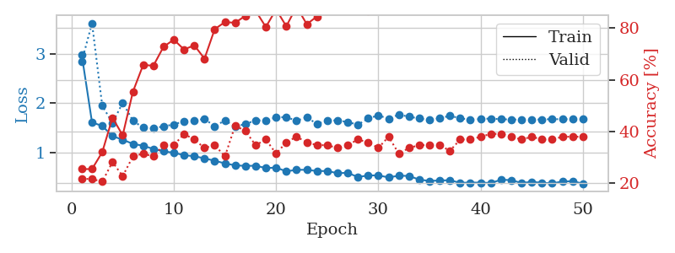
1.4030583786 | 2.2864387657 | 0.3125 | 0.21739130435 | 0.082707166672 | 31.25 | 21.739130435
1.3399305603 | 2.3508014575 | 0.36141304348 | 0.22826086957 | 0.082697629929 | 36.141304348 | 22.826086957
1.2689100608 | 1.7823223757 | 0.48641304348 | 0.30434782609 | 0.082659959793 | 48.641304348 | 30.434782609
1.2572377816 | 1.7636113737 | 0.58695652174 | 0.32608695652 | 0.082931041718 | 58.695652174 | 32.608695652
1.1437880241 | 1.5213236861 | 0.59782608696 | 0.39130434783 | 0.082884550095 | 59.782608696 | 39.130434783
1.1575088553 | 1.7531939952 | 0.55434782609 | 0.3152173913 | 0.082950353622 | 55.434782609 | 31.52173913
1.0696450239 | 1.8723136031 | 0.65760869565 | 0.40217391304 | 0.082871675491 | 65.760869565 | 40.217391304
1.0084301596 | 1.5805369616 | 0.6902173913 | 0.40217391304 | 0.083507537842 | 69.02173913 | 40.217391304
0.98982213243 | 1.5957515499 | 0.72826086957 | 0.42391304348 | 0.083260774612 | 72.826086957 | 42.391304348
0.96067845562 | 1.6646752565 | 0.74184782609 | 0.40217391304 | 0.083321094513 | 74.184782609 | 40.217391304
0.88431685385 | 1.6272666143 | 0.7527173913 | 0.42391304348 | 0.083268404007 | 75.27173913 | 42.391304348
0.83493379406 | 1.7042272454 | 0.76630434783 | 0.40217391304 | 0.083129644394 | 76.630434783 | 40.217391304
0.86040643505 | 1.6889531094 | 0.8152173913 | 0.36956521739 | 0.082940101624 | 81.52173913 | 36.956521739
0.78118426385 | 1.6946200806 | 0.83152173913 | 0.35869565217 | 0.083125591278 | 83.152173913 | 35.869565217
0.75546369604 | 1.780784296 | 0.82065217391 | 0.36956521739 | 0.082928180695 | 82.065217391 | 36.956521739
0.75579146199 | 1.8879103609 | 0.80163043478 | 0.34782608696 | 0.083050489426 | 80.163043478 | 34.782608696
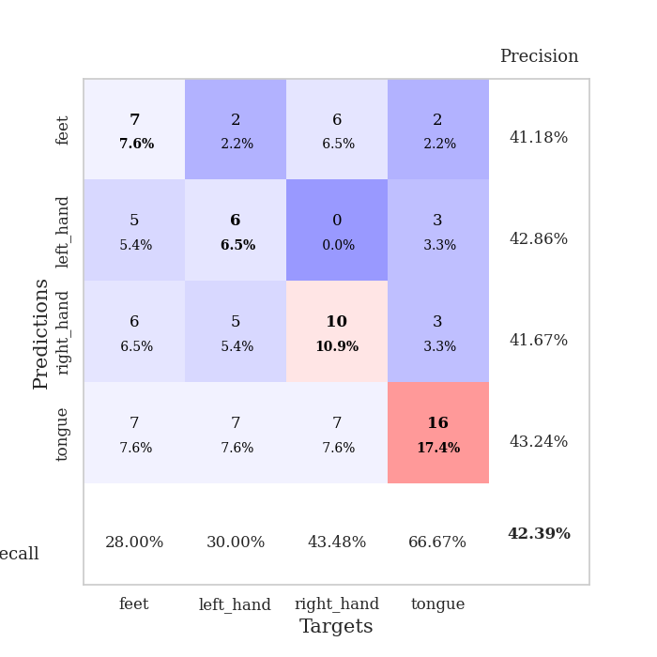
0.71945626451 | 1.8273288426 | 0.86413043478 | 0.36956521739 | 0.083126068115 | 86.413043478 | 36.956521739
0.68484285085 | 2.2284080879 | 0.82336956522 | 0.30434782609 | 0.082901716232 | 82.336956522 | 30.434782609
0.63267264288 | 1.8764028808 | 0.8722826087 | 0.39130434783 | 0.083130121231 | 87.22826087 | 39.130434783
0.66860115269 | 1.8046162388 | 0.89945652174 | 0.36956521739 | 0.082853078842 | 89.945652174 | 36.956521739
0.6559188962 | 1.8438340736 | 0.8777173913 | 0.34782608696 | 0.082896471024 | 87.77173913 | 34.782608696
0.6774759163 | 1.850886205 | 0.875 | 0.38043478261 | 0.082817316055 | 87.5 | 38.043478261
0.69343893165 | 1.720732041 | 0.91032608696 | 0.40217391304 | 0.082912445068 | 91.032608696 | 40.217391304
0.60545359746 | 1.9568230017 | 0.92391304348 | 0.35869565217 | 0.082770109177 | 92.391304348 | 35.869565217
0.56940356286 | 1.8734175848 | 0.94293478261 | 0.35869565217 | 0.083028078079 | 94.293478261 | 35.869565217
0.52670065087 | 1.838350975 | 0.9375 | 0.36956521739 | 0.082947731018 | 93.75 | 36.956521739
0.51454079669 | 1.8693221807 | 0.9402173913 | 0.34782608696 | 0.082923412323 | 94.02173913 | 34.782608696
0.4261185637 | 1.7757535551 | 0.92934782609 | 0.39130434783 | 0.083324193954 | 92.934782609 | 39.130434783
0.47620630394 | 1.8847127272 | 0.95652173913 | 0.40217391304 | 0.082964420319 | 95.652173913 | 40.217391304
0.5023326362 | 1.9215603549 | 0.94836956522 | 0.39130434783 | 0.085167646408 | 94.836956522 | 39.130434783
0.45648575866 | 1.8779454853 | 0.96467391304 | 0.39130434783 | 0.082818746567 | 96.467391304 | 39.130434783
0.45887497132 | 1.8387783299 | 0.96739130435 | 0.40217391304 | 0.082601547241 | 96.739130435 | 40.217391304
0.41636417871 | 1.9696187299 | 0.97010869565 | 0.39130434783 | 0.082394838333 | 97.010869565 | 39.130434783
0.45095397921 | 1.9371448185 | 0.97826086957 | 0.38043478261 | 0.082456827164 | 97.826086957 | 38.043478261
0.4090730969 | 1.9288392741 | 0.96467391304 | 0.36956521739 | 0.082743406296 | 96.467391304 | 36.956521739
0.45170440622 | 1.9413089493 | 0.97826086957 | 0.38043478261 | 0.083222389221 | 97.826086957 | 38.043478261
0.45130733368 | 1.939628513 | 0.97282608696 | 0.36956521739 | 0.082857131958 | 97.282608696 | 36.956521739
0.47302047325 | 1.953457143 | 0.97554347826 | 0.38043478261 | 0.083425998688 | 97.554347826 | 38.043478261
0.39059137197 | 1.9538053689 | 0.98641304348 | 0.38043478261 | 0.083204507828 | 98.641304348 | 38.043478261
0.42137531483 | 1.9198264817 | 0.97826086957 | 0.38043478261 | 0.082761049271 | 97.826086957 | 38.043478261
0.40584837613 | 1.9199291882 | 0.97282608696 | 0.38043478261 | 0.083177089691 | 97.282608696 | 38.043478261
0.40941633284 | 1.9521071393 | 0.97282608696 | 0.38043478261 | 0.08271241188 | 97.282608696 | 38.043478261
0.36358590327 | 1.9556671381 | 0.97282608696 | 0.38043478261 | 0.083469629288 | 97.282608696 | 38.043478261
0.39728560396 | 1.953908713 | 0.97826086957 | 0.38043478261 | 0.083259344101 | 97.826086957 | 38.043478261
0.3595149543 | 1.9554657573 | 0.97826086957 | 0.38043478261 | 0.082839727402 | 97.826086957 | 38.043478261
0.36610418688 | 1.9547114269 | 0.97826086957 | 0.38043478261 | 0.082904338837 | 97.826086957 | 38.043478261
0.35609825215 | 1.9553174091 | 0.97826086957 | 0.38043478261 | 0.083059549332 | 97.826086957 | 38.043478261
0.37926520018 | 1.9560834895 | 0.97826086957 | 0.38043478261 | 0.082874059677 | 97.826086957 | 38.043478261

Best Val accuracy is 0.42391304347826086 and Best test accuracy is 0.3706896551724138
train_loss | valid_loss | train_accuracy | valid_accuracy | dur | train_misclass | valid_misclass
1.7602867095 | 1.9493292777 | 0.25 | 0.25 | 0.21171593666 | 25 | 25
1.3650014711 | 2.3290530391 | 0.25 | 0.25 | 0.21177530289 | 25 | 25
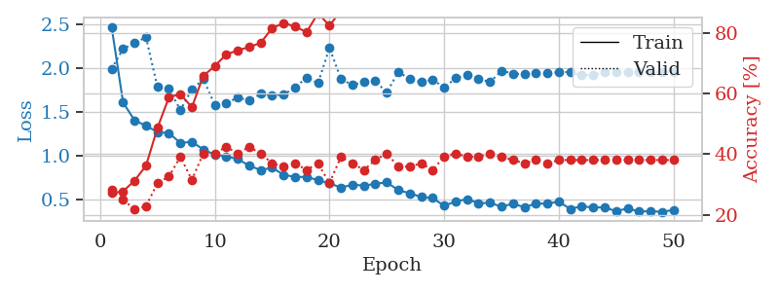
1.294719468 | 1.7970431577 | 0.25 | 0.25 | 0.21027541161 | 25 | 25
1.2778047686 | 1.4430070183 | 0.25 | 0.25 | 0.21003270149 | 25 | 25
1.2121767687 | 1.5023174234 | 0.25 | 0.25 | 0.20674753189 | 25 | 25
1.2398139446 | 1.5648223991 | 0.25543478261 | 0.21739130435 | 0.21043014526 | 25.543478261 | 21.739130435
1.2044043593 | 1.6641666319 | 0.25543478261 | 0.21739130435 | 0.20571231842 | 25.543478261 | 21.739130435
1.1858800598 | 1.6883458469 | 0.25543478261 | 0.21739130435 | 0.20876669884 | 25.543478261 | 21.739130435
1.2169078848 | 1.6128904975 | 0.25543478261 | 0.21739130435 | 0.20707130432 | 25.543478261 | 21.739130435
1.2214831658 | 1.5737803708 | 0.25543478261 | 0.21739130435 | 0.21128439903 | 25.543478261 | 21.739130435
1.189908647 | 1.6896416674 | 0.25543478261 | 0.21739130435 | 0.21157598495 | 25.543478261 | 21.739130435
1.2128081581 | 1.5161337023 | 0.25543478261 | 0.21739130435 | 0.21025109291 | 25.543478261 | 21.739130435
1.1887906945 | 1.458217087 | 0.25543478261 | 0.21739130435 | 0.20908594131 | 25.543478261 | 21.739130435
1.1516869146 | 2.1566678959 | 0.25543478261 | 0.21739130435 | 0.21081805229 | 25.543478261 | 21.739130435
1.1490274771 | 2.8287134274 | 0.25543478261 | 0.21739130435 | 0.21081852913 | 25.543478261 | 21.739130435
1.2031307117 | 3.3894372608 | 0.25 | 0.25 | 0.20993328094 | 25 | 25
1.1698506397 | 4.5123532337 | 0.25 | 0.25 | 0.21191620827 | 25 | 25
1.1631848294 | 2.0670154302 | 0.25 | 0.25 | 0.20943880081 | 25 | 25
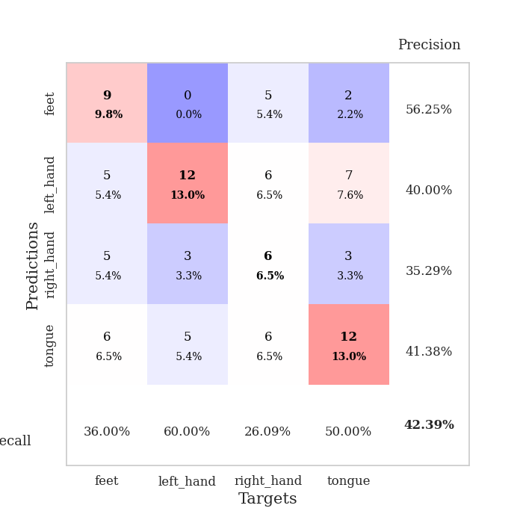
1.181576239 | 1.9113601135 | 0.2527173913 | 0.26086956522 | 0.20942306519 | 25.27173913 | 26.086956522
1.1519616557 | 2.5134219501 | 0.2527173913 | 0.26086956522 | 0.20856308937 | 25.27173913 | 26.086956522
1.2137790245 | 1.8475824284 | 0.25543478261 | 0.21739130435 | 0.20948767662 | 25.543478261 | 21.739130435
1.1576844557 | 2.4919507918 | 0.25543478261 | 0.21739130435 | 0.20982503891 | 25.543478261 | 21.739130435
1.1419462717 | 3.6200829796 | 0.25543478261 | 0.21739130435 | 0.21310329437 | 25.543478261 | 21.739130435
1.1300587732 | 1.8283480613 | 0.25543478261 | 0.21739130435 | 0.21141242981 | 25.543478261 | 21.739130435
1.120813533 | 2.3581438065 | 0.25543478261 | 0.21739130435 | 0.20669484138 | 25.543478261 | 21.739130435
1.1403288738 | 2.3867184287 | 0.25 | 0.25 | 0.21302032471 | 25 | 25
1.1309527314 | 2.4263406318 | 0.25543478261 | 0.21739130435 | 0.20949554443 | 25.543478261 | 21.739130435
1.1443415958 | 2.8328076653 | 0.25543478261 | 0.21739130435 | 0.20901989937 | 25.543478261 | 21.739130435
1.1109463806 | 2.9626527869 | 0.25 | 0.25 | 0.20850491524 | 25 | 25
1.0931352947 | 2.1974443871 | 0.25543478261 | 0.21739130435 | 0.20886945724 | 25.543478261 | 21.739130435
1.1412930255 | 1.5116832619 | 0.25 | 0.25 | 0.21220135689 | 25 | 25
1.1143463539 | 1.6305085835 | 0.25543478261 | 0.21739130435 | 0.20907068253 | 25.543478261 | 21.739130435
1.1124127196 | 1.7905109395 | 0.25543478261 | 0.21739130435 | 0.2112133503 | 25.543478261 | 21.739130435
1.1841173405 | 1.9269571408 | 0.25543478261 | 0.21739130435 | 0.21085548401 | 25.543478261 | 21.739130435
1.0994608739 | 1.4375722253 | 0.25 | 0.25 | 0.21126055717 | 25 | 25
1.0558162461 | 1.3303401522 | 0.25543478261 | 0.21739130435 | 0.21008586884 | 25.543478261 | 21.739130435
1.1558250552 | 1.7967119424 | 0.25543478261 | 0.21739130435 | 0.2061047554 | 25.543478261 | 21.739130435
1.0523126462 | 1.5345433847 | 0.50815217391 | 0.47826086957 | 0.21137881279 | 50.815217391 | 47.826086957
1.1080573434 | 1.8610071099 | 0.2527173913 | 0.26086956522 | 0.20990633965 | 25.27173913 | 26.086956522
1.0790486103 | 1.7733176739 | 0.2527173913 | 0.26086956522 | 0.20995545387 | 25.27173913 | 26.086956522
1.0926031626 | 1.5638821177 | 0.2527173913 | 0.26086956522 | 0.21070218086 | 25.27173913 | 26.086956522
1.0629653646 | 1.5031460213 | 0.50815217391 | 0.47826086957 | 0.20573544502 | 50.815217391 | 47.826086957
1.0625675839 | 1.7478317955 | 0.25543478261 | 0.21739130435 | 0.21320915222 | 25.543478261 | 21.739130435
1.1101142038 | 1.6436931983 | 0.25543478261 | 0.21739130435 | 0.21179676056 | 25.543478261 | 21.739130435
1.0864466947 | 1.6239860006 | 0.25543478261 | 0.21739130435 | 0.20866537094 | 25.543478261 | 21.739130435
1.0932793462 | 1.5004309934 | 0.25543478261 | 0.21739130435 | 0.21037316322 | 25.543478261 | 21.739130435
1.0849110769 | 1.441148079 | 0.25543478261 | 0.21739130435 | 0.20876097679 | 25.543478261 | 21.739130435
1.0151285996 | 1.3884182391 | 0.25543478261 | 0.21739130435 | 0.21052479744 | 25.543478261 | 21.739130435
1.0758353653 | 1.3298642584 | 0.25543478261 | 0.21739130435 | 0.2095477581 | 25.543478261 | 21.739130435
1.0616705832 | 1.2844433836 | 0.25543478261 | 0.21739130435 | 0.21115469933 | 25.543478261 | 21.739130435

Best Val accuracy is 0.4782608695652174 and Best test accuracy is 0.49137931034482757

Sheet7
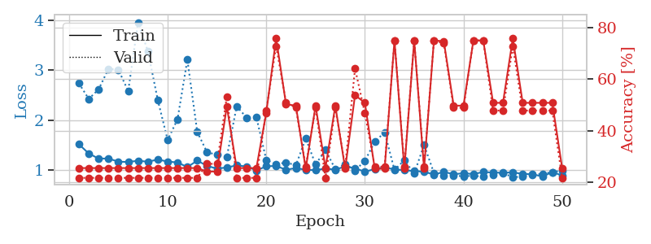
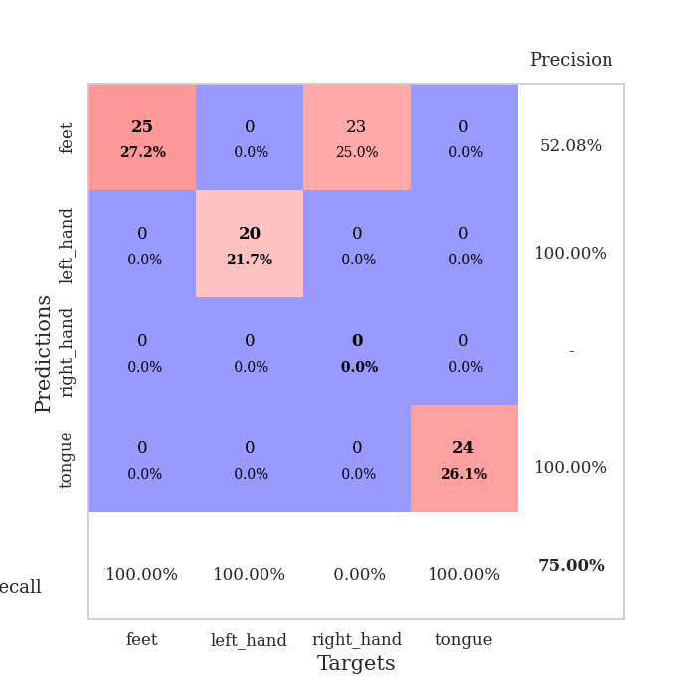
train_loss | valid_loss | train_accuracy | valid_accuracy | dur | train_misclass | valid_misclass
3.8078239742 | 4.7616527392 | 0.2527173913 | 0.26086956522 | 0.085477352142 | 25.27173913 | 26.086956522
1.5752507656 | 4.5476414432 | 0.25543478261 | 0.21739130435 | 0.086385965347 | 25.543478261 | 21.739130435
1.2847542348 | 3.4763989345 | 0.25815217391 | 0.21739130435 | 0.08434176445 | 25.815217391 | 21.739130435
1.2833165008 | 2.5421689179 | 0.32880434783 | 0.21739130435 | 0.084272384644 | 32.880434783 | 21.739130435
1.1399268638 | 1.9234376213 | 0.46195652174 | 0.23913043478 | 0.084342241287 | 46.195652174 | 23.913043478
1.0538510836 | 1.8918601326 | 0.53804347826 | 0.26086956522 | 0.084385633469 | 53.804347826 | 26.086956522
1.0675235132 | 1.4311772792 | 0.64945652174 | 0.38043478261 | 0.084330320358 | 64.945652174 | 38.043478261
1.0095150574 | 1.4268482664 | 0.69836956522 | 0.34782608696 | 0.084466934204 | 69.836956522 | 34.782608696
0.95512961305 | 1.4890305218 | 0.74184782609 | 0.32608695652 | 0.084280729294 | 74.184782609 | 32.608695652
0.91551773704 | 1.4744052731 | 0.70652173913 | 0.34782608696 | 0.084454298019 | 70.652173913 | 34.782608696
0.91133787062 | 1.490930946 | 0.78532608696 | 0.36956521739 | 0.08430480957 | 78.532608696 | 36.956521739
0.84931201779 | 1.5491291077 | 0.80706521739 | 0.26086956522 | 0.084310531616 | 80.706521739 | 26.086956522
0.82114141272 | 1.5532321308 | 0.78260869565 | 0.3152173913 | 0.084323644638 | 78.260869565 | 31.52173913
0.75666572996 | 1.5030761854 | 0.79619565217 | 0.30434782609 | 0.084520578384 | 79.619565217 | 30.434782609
0.74328063493 | 1.4991713555 | 0.85597826087 | 0.3152173913 | 0.084266662598 | 85.597826087 | 31.52173913
0.73264570081 | 1.562261457 | 0.83152173913 | 0.29347826087 | 0.084644317627 | 83.152173913 | 29.347826087
0.70884984473 | 1.7003895874 | 0.79076086957 | 0.30434782609 | 0.084811687469 | 79.076086957 | 30.434782609
0.66973429335 | 1.5361786873 | 0.8152173913 | 0.34782608696 | 0.084719896317 | 81.52173913 | 34.782608696
0.69780075809 | 1.4923001113 | 0.88315217391 | 0.30434782609 | 0.084496974945 | 88.315217391 | 30.434782609
0.64444437105 | 1.6285033641 | 0.8152173913 | 0.34782608696 | 0.084705114365 | 81.52173913 | 34.782608696
0.57729865222 | 1.5566270196 | 0.82608695652 | 0.34782608696 | 0.084567785263 | 82.608695652 | 34.782608696
0.56211439941 | 1.6545499252 | 0.83423913043 | 0.32608695652 | 0.084456682205 | 83.423913043 | 32.608695652
0.51376822591 | 1.6184706895 | 0.89402173913 | 0.30434782609 | 0.08444237709 | 89.402173913 | 30.434782609
0.52279953983 | 1.6668807061 | 0.88043478261 | 0.32608695652 | 0.08496594429 | 88.043478261 | 32.608695652
0.56642012622 | 1.5766358324 | 0.92663043478 | 0.34782608696 | 0.084566116333 | 92.663043478 | 34.782608696
0.53088069221 | 1.5749317563 | 0.92119565217 | 0.27173913043 | 0.084290504456 | 92.119565217 | 27.173913043
0.51602169483 | 1.6258474381 | 0.9375 | 0.29347826087 | 0.084692001343 | 93.75 | 29.347826087
0.46079955218 | 1.6560866833 | 0.91032608696 | 0.27173913043 | 0.086637496948 | 91.032608696 | 27.173913043
0.45929886984 | 1.657256992 | 0.94836956522 | 0.28260869565 | 0.086529493332 | 94.836956522 | 28.260869565
0.43236066466 | 1.6659679776 | 0.91576086957 | 0.3152173913 | 0.085475206375 | 91.576086957 | 31.52173913
0.4282563873 | 1.6940897185 | 0.92119565217 | 0.30434782609 | 0.084798336029 | 92.119565217 | 30.434782609
0.42644264452 | 1.7309408032 | 0.91576086957 | 0.3152173913 | 0.084544897079 | 91.576086957 | 31.52173913
0.45932388047 | 1.7779093981 | 0.92934782609 | 0.29347826087 | 0.084377527237 | 92.934782609 | 29.347826087
0.40990329372 | 1.710919572 | 0.92934782609 | 0.32608695652 | 0.08438539505 | 92.934782609 | 32.608695652
0.35753799586 | 1.6675481641 | 0.9347826087 | 0.32608695652 | 0.084420442581 | 93.47826087 | 32.608695652
0.41019277404 | 1.6590497701 | 0.94565217391 | 0.32608695652 | 0.084632158279 | 94.565217391 | 32.608695652
0.34780673229 | 1.6886185926 | 0.96195652174 | 0.3152173913 | 0.08460521698 | 96.195652174 | 31.52173913
0.3499015249 | 1.7608943556 | 0.94565217391 | 0.30434782609 | 0.084503650665 | 94.565217391 | 30.434782609
0.36287911301 | 1.7693342903 | 0.9375 | 0.3152173913 | 0.08470582962 | 93.75 | 31.52173913
0.35406196506 | 1.7106960805 | 0.94293478261 | 0.29347826087 | 0.084812402725 | 94.293478261 | 29.347826087
0.33798042847 | 1.7188986436 | 0.94293478261 | 0.29347826087 | 0.084916830063 | 94.293478261 | 29.347826087
0.3887220971 | 1.7419310445 | 0.94293478261 | 0.29347826087 | 0.084626197815 | 94.293478261 | 29.347826087
0.35687265156 | 1.735948998 | 0.9402173913 | 0.28260869565 | 0.084646224976 | 94.02173913 | 28.260869565
0.36284339493 | 1.7151733222 | 0.94836956522 | 0.28260869565 | 0.084613323212 | 94.836956522 | 28.260869565
0.34367677602 | 1.7152738208 | 0.95380434783 | 0.28260869565 | 0.084592819214 | 95.380434783 | 28.260869565
0.32635419395 | 1.7199219362 | 0.95652173913 | 0.28260869565 | 0.084832906723 | 95.652173913 | 28.260869565
0.32071311383 | 1.7185407359 | 0.95652173913 | 0.28260869565 | 0.084722757339 | 95.652173913 | 28.260869565
0.38941863374 | 1.7189926997 | 0.95652173913 | 0.28260869565 | 0.084714889526 | 95.652173913 | 28.260869565
0.31938582529 | 1.7201338799 | 0.95923913043 | 0.28260869565 | 0.084511995316 | 95.923913043 | 28.260869565
0.29909316807 | 1.7205957382 | 0.96195652174 | 0.29347826087 | 0.084725618362 | 96.195652174 | 29.347826087

Best Val accuracy is 0.3804347826086957 and Best test accuracy is 0.3448275862068966
train_loss | valid_loss | train_accuracy | valid_accuracy | dur | train_misclass | valid_misclass
4.5309347744 | 30.264676053 | 0.27173913043 | 0.27173913043 | 0.088681221008 | 27.173913043 | 27.173913043
1.9003565052 | 6.0733023208 | 0.38315217391 | 0.3152173913 | 0.082909584045 | 38.315217391 | 31.52173913
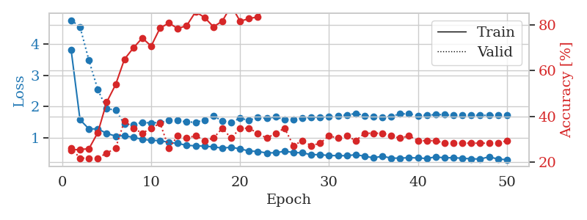
1.6254337871 | 6.1433074474 | 0.27717391304 | 0.26086956522 | 0.082688570023 | 27.717391304 | 26.086956522
1.5580505703 | 2.7636419172 | 0.46467391304 | 0.28260869565 | 0.082765817642 | 46.467391304 | 28.260869565
1.3292990612 | 2.4356502865 | 0.52445652174 | 0.25 | 0.082269191742 | 52.445652174 | 25
1.2447555247 | 1.7865196933 | 0.57880434783 | 0.38043478261 | 0.082450151443 | 57.880434783 | 38.043478261
1.1516978559 | 1.6219717782 | 0.59510869565 | 0.3152173913 | 0.082897186279 | 59.510869565 | 31.52173913
1.1419058313 | 1.466124063 | 0.66304347826 | 0.36956521739 | 0.082842826843 | 66.304347826 | 36.956521739
1.0465868504 | 1.53147175 | 0.70108695652 | 0.34782608696 | 0.082735061646 | 70.108695652 | 34.782608696
0.97490764701 | 1.520235212 | 0.6902173913 | 0.36956521739 | 0.084964752197 | 69.02173913 | 36.956521739
0.99779871754 | 1.4874667862 | 0.75815217391 | 0.36956521739 | 0.080991506577 | 75.815217391 | 36.956521739
0.91713743624 | 1.5023834861 | 0.77445652174 | 0.4347826087 | 0.081260681152 | 77.445652174 | 43.47826087
0.80658857978 | 1.6720804028 | 0.79347826087 | 0.34782608696 | 0.081502437592 | 79.347826087 | 34.782608696
0.7789275711 | 1.440020924 | 0.78532608696 | 0.40217391304 | 0.081491947174 | 78.532608696 | 40.217391304
0.78179537213 | 1.3849292734 | 0.83423913043 | 0.4347826087 | 0.081352949142 | 83.423913043 | 43.47826087
0.73940471074 | 1.4168798457 | 0.85054347826 | 0.44565217391 | 0.081279039383 | 85.054347826 | 44.565217391
0.73214186663 | 1.4432050871 | 0.91032608696 | 0.45652173913 | 0.085578680038 | 91.032608696 | 45.652173913
0.73023019925 | 1.4908263839 | 0.86413043478 | 0.42391304348 | 0.082444190979 | 86.413043478 | 42.391304348
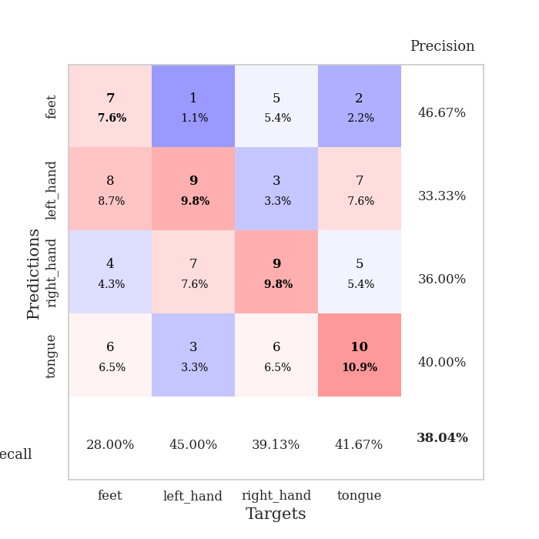
0.75543720178 | 1.4839817078 | 0.8777173913 | 0.4347826087 | 0.085643053055 | 87.77173913 | 43.47826087
0.67401617118 | 1.4676575505 | 0.90760869565 | 0.42391304348 | 0.085605859756 | 90.760869565 | 42.391304348
0.67135945222 | 1.5779922786 | 0.90760869565 | 0.4347826087 | 0.085898637772 | 90.760869565 | 43.47826087
0.61403219855 | 1.5013425713 | 0.92934782609 | 0.38043478261 | 0.085533618927 | 92.934782609 | 38.043478261
0.58488151431 | 1.4891421484 | 0.92663043478 | 0.4347826087 | 0.086092472076 | 92.663043478 | 43.47826087
0.64888902332 | 1.4886481503 | 0.95652173913 | 0.41304347826 | 0.086438417435 | 95.652173913 | 41.304347826
0.55717204058 | 1.6438710845 | 0.9402173913 | 0.44565217391 | 0.086939811707 | 94.02173913 | 44.565217391
0.51274719316 | 1.5081416939 | 0.96195652174 | 0.41304347826 | 0.086107492447 | 96.195652174 | 41.304347826
0.53071551608 | 1.5059909613 | 0.95923913043 | 0.4347826087 | 0.086198568344 | 95.923913043 | 43.47826087
0.50919467535 | 1.569677156 | 0.94565217391 | 0.41304347826 | 0.086483001709 | 94.565217391 | 41.304347826
0.45671000882 | 1.6548720857 | 0.96467391304 | 0.38043478261 | 0.083148479462 | 96.467391304 | 38.043478261
0.49172277684 | 1.5144899254 | 0.95108695652 | 0.4347826087 | 0.082664966583 | 95.108695652 | 43.47826087
0.43941059968 | 1.5708453137 | 0.98097826087 | 0.41304347826 | 0.087346076965 | 98.097826087 | 41.304347826
0.47945900132 | 1.6115724885 | 0.97826086957 | 0.42391304348 | 0.087433815002 | 97.826086957 | 42.391304348
0.47064426865 | 1.5726888646 | 0.97826086957 | 0.40217391304 | 0.086669445038 | 97.826086957 | 40.217391304
0.40445589112 | 1.506362319 | 0.98369565217 | 0.44565217391 | 0.086477041245 | 98.369565217 | 44.565217391
0.47717116449 | 1.5927618742 | 0.98369565217 | 0.41304347826 | 0.086341381073 | 98.369565217 | 41.304347826
0.4076031887 | 1.5735409001 | 0.99184782609 | 0.42391304348 | 0.084162950516 | 99.184782609 | 42.391304348
0.4627929751 | 1.578020583 | 0.99184782609 | 0.44565217391 | 0.082022666931 | 99.184782609 | 44.565217391
0.37482931627 | 1.6010157906 | 0.99184782609 | 0.44565217391 | 0.081800937653 | 99.184782609 | 44.565217391
0.40573986717 | 1.5992728264 | 0.99184782609 | 0.44565217391 | 0.081997394562 | 99.184782609 | 44.565217391
0.38488945592 | 1.6222454102 | 0.99456521739 | 0.4347826087 | 0.081735372543 | 99.456521739 | 43.47826087
0.38828422453 | 1.6470222784 | 0.99456521739 | 0.4347826087 | 0.081826686859 | 99.456521739 | 43.47826087
0.42249576294 | 1.6720413851 | 0.98913043478 | 0.4347826087 | 0.083408355713 | 98.913043478 | 43.47826087
0.45271528545 | 1.651875584 | 0.99456521739 | 0.4347826087 | 0.081886529922 | 99.456521739 | 43.47826087
0.34916341046 | 1.6405181159 | 0.99456521739 | 0.44565217391 | 0.081835269928 | 99.456521739 | 44.565217391
0.38348791133 | 1.6533802385 | 0.9972826087 | 0.44565217391 | 0.08190536499 | 99.72826087 | 44.565217391
0.37906492923 | 1.656210749 | 0.9972826087 | 0.44565217391 | 0.08184838295 | 99.72826087 | 44.565217391
0.40749747922 | 1.6525885074 | 0.9972826087 | 0.44565217391 | 0.081856012344 | 99.72826087 | 44.565217391
0.36641475526 | 1.6539956746 | 0.9972826087 | 0.44565217391 | 0.081809997559 | 99.72826087 | 44.565217391
0.40511348714 | 1.6555634271 | 0.9972826087 | 0.44565217391 | 0.081652402878 | 99.72826087 | 44.565217391
0.36046574492 | 1.6567365346 | 0.9972826087 | 0.44565217391 | 0.081896305084 | 99.72826087 | 44.565217391

Best Val accuracy is 0.45652173913043476 and Best test accuracy is 0.33620689655172414
train_loss | valid_loss | train_accuracy | valid_accuracy | dur | train_misclass | valid_misclass
1.5130237237 | 2.7371384994 | 0.25543478261 | 0.21739130435 | 0.20930027962 | 25.543478261 | 21.739130435
1.3282080941 | 2.4224154535 | 0.25543478261 | 0.21739130435 | 0.21114969254 | 25.543478261 | 21.739130435
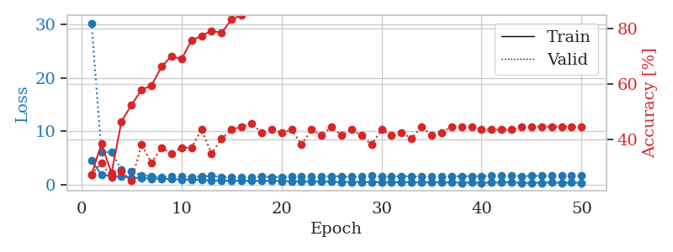
1.2248903332 | 2.6151956164 | 0.25543478261 | 0.21739130435 | 0.20943880081 | 25.543478261 | 21.739130435
1.2274648573 | 3.0270662411 | 0.25543478261 | 0.21739130435 | 0.21092224121 | 25.543478261 | 21.739130435
1.1629705921 | 3.0122542174 | 0.25543478261 | 0.21739130435 | 0.21090388298 | 25.543478261 | 21.739130435
1.1577902877 | 2.5794564434 | 0.25543478261 | 0.21739130435 | 0.21193170547 | 25.543478261 | 21.739130435
1.182431418 | 3.9591576327 | 0.25543478261 | 0.21739130435 | 0.20996451378 | 25.543478261 | 21.739130435
1.1623807316 | 3.3775220021 | 0.25543478261 | 0.21739130435 | 0.2136516571 | 25.543478261 | 21.739130435
1.2063908862 | 2.4006208026 | 0.25543478261 | 0.21739130435 | 0.2114648819 | 25.543478261 | 21.739130435
1.1659835707 | 1.5982462012 | 0.25543478261 | 0.21739130435 | 0.21432852745 | 25.543478261 | 21.739130435
1.147697599 | 2.0141171165 | 0.25543478261 | 0.21739130435 | 0.20994639397 | 25.543478261 | 21.739130435
1.05474492 | 3.2106376005 | 0.25543478261 | 0.21739130435 | 0.21240878105 | 25.543478261 | 21.739130435
1.1848001273 | 1.761634552 | 0.25543478261 | 0.21739130435 | 0.21103668213 | 25.543478261 | 21.739130435
1.0797642366 | 1.3505016617 | 0.24184782609 | 0.27173913043 | 0.2099070549 | 24.184782609 | 27.173913043
1.0228644869 | 1.3051083969 | 0.24184782609 | 0.27173913043 | 0.21233510971 | 24.184782609 | 27.173913043
1.0484135591 | 1.2580892884 | 0.49456521739 | 0.53260869565 | 0.21217560768 | 49.456521739 | 53.260869565
1.0874849973 | 2.2753389711 | 0.25543478261 | 0.21739130435 | 0.20888876915 | 25.543478261 | 21.739130435
1.0678073608 | 2.0487248898 | 0.25543478261 | 0.21739130435 | 0.21044754982 | 25.543478261 | 21.739130435
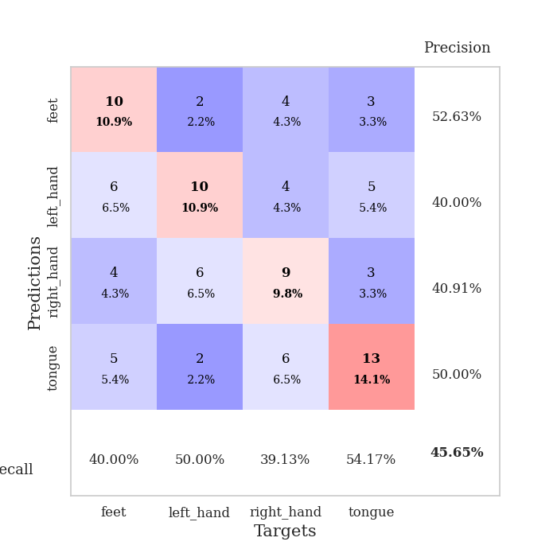
0.9876748142 | 2.0522600257 | 0.25543478261 | 0.21739130435 | 0.2150478363 | 25.543478261 | 21.739130435
1.0701651029 | 1.1995537229 | 0.47010869565 | 0.47826086957 | 0.21158075333 | 47.010869565 | 47.826086957
1.0786934365 | 1.1065803507 | 0.75815217391 | 0.72826086957 | 0.2134346962 | 75.815217391 | 72.826086957
1.0006837689 | 1.1498930402 | 0.5027173913 | 0.51086956522 | 0.21071052551 | 50.27173913 | 51.086956522
1.0360187733 | 1.0900676199 | 0.4972826087 | 0.48913043478 | 0.21250605583 | 49.72826087 | 48.913043478
1.0007178809 | 1.62821169 | 0.2527173913 | 0.26086956522 | 0.20895314217 | 25.27173913 | 26.086956522
0.9930065352 | 1.1086219756 | 0.4972826087 | 0.48913043478 | 0.20983958244 | 49.72826087 | 48.913043478
1.0257265827 | 1.396686725 | 0.25543478261 | 0.21739130435 | 0.21246266365 | 25.543478261 | 21.739130435
1.0037401759 | 1.0128830775 | 0.4972826087 | 0.48913043478 | 0.20913791656 | 49.72826087 | 48.913043478
1.0681508572 | 1.1157380809 | 0.2527173913 | 0.26086956522 | 0.21041250229 | 25.27173913 | 26.086956522
1.0317000203 | 0.98669452253 | 0.53804347826 | 0.64130434783 | 0.21055865288 | 53.804347826 | 64.130434783
0.96076213018 | 1.1797048372 | 0.50815217391 | 0.46739130435 | 0.21036028862 | 50.815217391 | 46.739130435
1.0159418427 | 1.5628265453 | 0.2527173913 | 0.26086956522 | 0.20822072029 | 25.27173913 | 26.086956522
1.0524469199 | 1.7520446829 | 0.2527173913 | 0.26086956522 | 0.21085262299 | 25.27173913 | 26.086956522
1.0064323285 | 0.99660457217 | 0.75 | 0.75 | 0.20978927612 | 75 | 75
0.99438783915 | 1.1939304601 | 0.2527173913 | 0.26086956522 | 0.20849204063 | 25.27173913 | 26.086956522
0.97358579739 | 0.92502065327 | 0.75 | 0.75 | 0.20839905739 | 75 | 75
0.96286202255 | 1.5002898081 | 0.2527173913 | 0.26086956522 | 0.20928168297 | 25.27173913 | 26.086956522
0.90462788551 | 0.93625811649 | 0.75 | 0.75 | 0.20935559273 | 75 | 75
0.95804122997 | 0.89013750657 | 0.7472826087 | 0.73913043478 | 0.21068239212 | 74.72826087 | 73.913043478
0.91125343675 | 0.88294347732 | 0.4972826087 | 0.48913043478 | 0.21017813683 | 49.72826087 | 48.913043478
0.93207534241 | 0.87211085402 | 0.4972826087 | 0.48913043478 | 0.20928692818 | 49.72826087 | 48.913043478
0.9152741795 | 0.88043838221 | 0.75 | 0.75 | 0.21053600311 | 75 | 75
0.95583342988 | 0.8614208776 | 0.75 | 0.75 | 0.21368050575 | 75 | 75
0.94448283703 | 0.90404904407 | 0.50815217391 | 0.47826086957 | 0.21094894409 | 50.815217391 | 47.826086957
0.94292092582 | 0.9325320928 | 0.50815217391 | 0.47826086957 | 0.20998382568 | 50.815217391 | 47.826086957
0.94794524753 | 0.85388697489 | 0.75815217391 | 0.72826086957 | 0.20662951469 | 75.815217391 | 72.826086957
0.91885630462 | 0.86219480504 | 0.50815217391 | 0.47826086957 | 0.20726084709 | 50.815217391 | 47.826086957
0.91175929878 | 0.89835832171 | 0.50815217391 | 0.47826086957 | 0.20644569397 | 50.815217391 | 47.826086957
0.86532368349 | 0.92148042762 | 0.50815217391 | 0.47826086957 | 0.21089744568 | 50.815217391 | 47.826086957
0.95427084747 | 0.95418164782 | 0.50815217391 | 0.47826086957 | 0.21089696884 | 50.815217391 | 47.826086957
0.88655299467 | 0.98335571393 | 0.25543478261 | 0.21739130435 | 0.21121740341 | 25.543478261 | 21.739130435

Best Val accuracy is 0.75 and Best test accuracy is 0.75

Sheet8
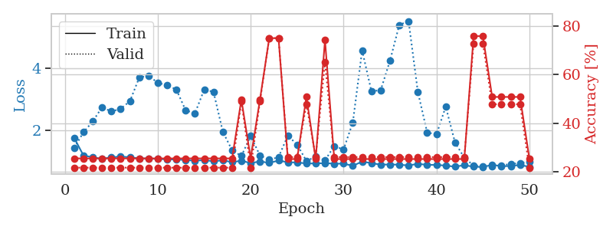
train_loss | valid_loss | train_accuracy | valid_accuracy | dur | train_misclass | valid_misclass
3.4691726902 | 8.5954490745 | 0.25543478261 | 0.21739130435 | 0.085844993591 | 25.543478261 | 21.739130435
1.5707211183 | 2.3153485319 | 0.25543478261 | 0.21739130435 | 0.083409786224 | 25.543478261 | 21.739130435
1.3355444618 | 3.1085308738 | 0.26358695652 | 0.21739130435 | 0.0843064785 | 26.358695652 | 21.739130435
1.2776943342 | 2.1065896594 | 0.3722826087 | 0.22826086957 | 0.085458755493 | 37.22826087 | 22.826086957
1.1745242658 | 2.0880765811 | 0.47010869565 | 0.25 | 0.084822893143 | 47.010869565 | 25
1.1260901353 | 1.6552947449 | 0.60326086957 | 0.28260869565 | 0.084165334702 | 60.326086957 | 28.260869565
1.0498401834 | 1.571089076 | 0.61684782609 | 0.30434782609 | 0.084075212479 | 61.684782609 | 30.434782609
1.0616741025 | 1.4764819301 | 0.625 | 0.32608695652 | 0.083995342255 | 62.5 | 32.608695652
1.0547423829 | 1.4667833992 | 0.6847826087 | 0.3152173913 | 0.085478305817 | 68.47826087 | 31.52173913
0.99297378892 | 1.5258670734 | 0.72282608696 | 0.33695652174 | 0.083761930466 | 72.282608696 | 33.695652174
0.92306721988 | 1.5309737091 | 0.71195652174 | 0.34782608696 | 0.083815097809 | 71.195652174 | 34.782608696
0.91639177177 | 1.561136764 | 0.7527173913 | 0.28260869565 | 0.083754062653 | 75.27173913 | 28.260869565
0.85744179591 | 1.541869687 | 0.72010869565 | 0.33695652174 | 0.085136413574 | 72.010869565 | 33.695652174
0.8531816835 | 1.6249736651 | 0.75543478261 | 0.29347826087 | 0.084556818008 | 75.543478261 | 29.347826087
0.77205171533 | 1.5450696479 | 0.76902173913 | 0.33695652174 | 0.084314107895 | 76.902173913 | 33.695652174
0.81901995643 | 1.6251796795 | 0.74184782609 | 0.34782608696 | 0.084142446518 | 74.184782609 | 34.782608696
0.7030299902 | 1.8049981335 | 0.67934782609 | 0.34782608696 | 0.084027528763 | 67.934782609 | 34.782608696
0.69284354993 | 1.8371658895 | 0.69293478261 | 0.33695652174 | 0.083904027939 | 69.293478261 | 33.695652174
0.70616563377 | 1.8373613928 | 0.69836956522 | 0.3152173913 | 0.084197044373 | 69.836956522 | 31.52173913
0.66528832783 | 1.8457244531 | 0.6902173913 | 0.34782608696 | 0.084268331528 | 69.02173913 | 34.782608696
0.60849881043 | 1.7381964248 | 0.79347826087 | 0.3152173913 | 0.084002733231 | 79.347826087 | 31.52173913
0.57662903226 | 1.8040413805 | 0.75 | 0.29347826087 | 0.084295511246 | 75 | 29.347826087
0.5613843371 | 1.9451118915 | 0.71467391304 | 0.30434782609 | 0.084149599075 | 71.467391304 | 30.434782609
0.63332251751 | 1.8281676717 | 0.88858695652 | 0.29347826087 | 0.08421254158 | 88.858695652 | 29.347826087
0.62404767975 | 1.9407775765 | 0.8125 | 0.3152173913 | 0.085881710052 | 81.25 | 31.52173913
0.48543514247 | 2.1568921649 | 0.72010869565 | 0.33695652174 | 0.088295936584 | 72.010869565 | 33.695652174
0.53205146219 | 2.3973170985 | 0.67663043478 | 0.3152173913 | 0.085124731064 | 67.663043478 | 31.52173913
0.59500886435 | 2.0001194529 | 0.85597826087 | 0.35869565217 | 0.084535598755 | 85.597826087 | 35.869565217
0.52154251674 | 2.0191556837 | 0.83423913043 | 0.35869565217 | 0.08639216423 | 83.423913043 | 35.869565217
0.48184685215 | 1.9042084165 | 0.88043478261 | 0.34782608696 | 0.084671258926 | 88.043478261 | 34.782608696
0.50345263339 | 1.8880304098 | 0.89402173913 | 0.34782608696 | 0.084434747696 | 89.402173913 | 34.782608696
0.43689816218 | 1.8859115684 | 0.8722826087 | 0.33695652174 | 0.084434986115 | 87.22826087 | 33.695652174
0.41330697809 | 1.926578501 | 0.89130434783 | 0.35869565217 | 0.084414958954 | 89.130434783 | 35.869565217
0.4186909419 | 1.9161023575 | 0.89945652174 | 0.30434782609 | 0.084539890289 | 89.945652174 | 30.434782609
0.45329185348 | 1.9497094673 | 0.90760869565 | 0.32608695652 | 0.084334850311 | 90.760869565 | 32.608695652
0.38559584903 | 1.9369056277 | 0.90217391304 | 0.32608695652 | 0.084447860718 | 90.217391304 | 32.608695652
0.45143501784 | 1.9841726604 | 0.8722826087 | 0.34782608696 | 0.084322452545 | 87.22826087 | 34.782608696
0.42095309237 | 1.8737010541 | 0.9402173913 | 0.32608695652 | 0.086300134659 | 94.02173913 | 32.608695652
0.35196344295 | 1.8514032623 | 0.96195652174 | 0.32608695652 | 0.084356307983 | 96.195652174 | 32.608695652
0.37495564378 | 1.8350101917 | 0.96467391304 | 0.33695652174 | 0.084408998489 | 96.467391304 | 33.695652174
0.42436149198 | 1.8463698004 | 0.94565217391 | 0.32608695652 | 0.08424115181 | 94.565217391 | 32.608695652
0.36734856989 | 1.8798530102 | 0.93206521739 | 0.32608695652 | 0.08473944664 | 93.206521739 | 32.608695652
0.40102643228 | 1.8537712978 | 0.95923913043 | 0.33695652174 | 0.08447766304 | 95.923913043 | 33.695652174
0.33251661062 | 1.8447261323 | 0.95923913043 | 0.33695652174 | 0.084471464157 | 95.923913043 | 33.695652174
0.36185914278 | 1.8515261308 | 0.96195652174 | 0.33695652174 | 0.084960699081 | 96.195652174 | 33.695652174
0.30459821062 | 1.8545962572 | 0.96195652174 | 0.33695652174 | 0.084323883057 | 96.195652174 | 33.695652174
0.40235374479 | 1.8588117465 | 0.96195652174 | 0.33695652174 | 0.084401607513 | 96.195652174 | 33.695652174
0.37156565293 | 1.8572282532 | 0.96195652174 | 0.33695652174 | 0.084636449814 | 96.195652174 | 33.695652174
0.33741137126 | 1.8557195715 | 0.96467391304 | 0.33695652174 | 0.084465265274 | 96.467391304 | 33.695652174
0.35362894444 | 1.8563664322 | 0.96467391304 | 0.33695652174 | 0.084487915039 | 96.467391304 | 33.695652174

Best Val accuracy is 0.358695652173913 and Best test accuracy is 0.29310344827586204
train_loss | valid_loss | train_accuracy | valid_accuracy | dur | train_misclass | valid_misclass
3.7060834791 | 7.0929416263 | 0.24184782609 | 0.25 | 0.085241794586 | 24.184782609 | 25
1.6103625868 | 2.9010572382 | 0.30163043478 | 0.21739130435 | 0.082764387131 | 30.163043478 | 21.739130435
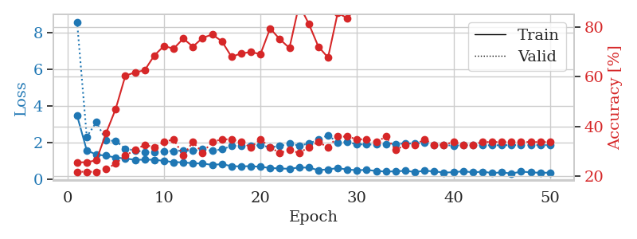
1.5222672587 | 2.2524780087 | 0.26358695652 | 0.20652173913 | 0.081902980804 | 26.358695652 | 20.652173913
1.3682289331 | 2.0351679843 | 0.42391304348 | 0.1847826087 | 0.082187652588 | 42.391304348 | 18.47826087
1.3175893011 | 1.7658240743 | 0.50815217391 | 0.26086956522 | 0.082151889801 | 50.815217391 | 26.086956522
1.1916957912 | 1.6198304581 | 0.61141304348 | 0.32608695652 | 0.082390785217 | 61.141304348 | 32.608695652
1.1107543085 | 1.4230001698 | 0.60326086957 | 0.39130434783 | 0.082313299179 | 60.326086957 | 39.130434783
1.0617979402 | 1.594572316 | 0.65217391304 | 0.36956521739 | 0.082282066345 | 65.217391304 | 36.956521739
1.0404233259 | 1.4359991291 | 0.67391304348 | 0.36956521739 | 0.082378149033 | 67.391304348 | 36.956521739
1.0235955145 | 1.8097119176 | 0.6847826087 | 0.35869565217 | 0.082437753677 | 68.47826087 | 35.869565217
0.97386831563 | 1.5563150541 | 0.75543478261 | 0.34782608696 | 0.082000732422 | 75.543478261 | 34.782608696
0.91754050877 | 1.5085566096 | 0.69565217391 | 0.34782608696 | 0.082268953323 | 69.565217391 | 34.782608696
0.87094993436 | 1.6908836106 | 0.76902173913 | 0.35869565217 | 0.082173109055 | 76.902173913 | 35.869565217
0.80622177539 | 1.6321178467 | 0.8152173913 | 0.38043478261 | 0.082110404968 | 81.52173913 | 38.043478261
0.79684543869 | 1.6416815623 | 0.77445652174 | 0.39130434783 | 0.085361480713 | 77.445652174 | 39.130434783
0.71590340526 | 1.6319095363 | 0.8152173913 | 0.41304347826 | 0.082834482193 | 81.52173913 | 41.304347826
0.69797230285 | 1.510941832 | 0.82608695652 | 0.39130434783 | 0.082081317902 | 82.608695652 | 39.130434783
0.66924992722 | 1.5867389959 | 0.82608695652 | 0.42391304348 | 0.081674337387 | 82.608695652 | 42.391304348
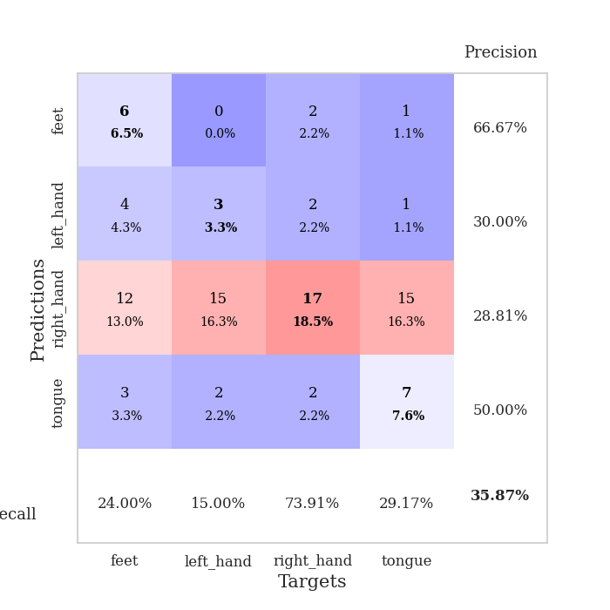
0.66966835571 | 1.6842426891 | 0.88315217391 | 0.39130434783 | 0.081702470779 | 88.315217391 | 39.130434783
0.66266754853 | 1.5795060396 | 0.86684782609 | 0.36956521739 | 0.081360340118 | 86.684782609 | 36.956521739
0.64364724185 | 1.648286213 | 0.90217391304 | 0.42391304348 | 0.081248760223 | 90.217391304 | 42.391304348
0.59758546689 | 1.6355052564 | 0.86956521739 | 0.41304347826 | 0.081508159637 | 86.956521739 | 41.304347826
0.57115541204 | 1.8192125352 | 0.88858695652 | 0.41304347826 | 0.081215858459 | 88.858695652 | 41.304347826
0.56661661941 | 1.7414690567 | 0.88043478261 | 0.40217391304 | 0.081305980682 | 88.043478261 | 40.217391304
0.51430443577 | 1.7959224608 | 0.84239130435 | 0.35869565217 | 0.081271648407 | 84.239130435 | 35.869565217
0.51593561535 | 1.7796432661 | 0.86684782609 | 0.36956521739 | 0.081465482712 | 86.684782609 | 36.956521739
0.53170803254 | 1.7293048371 | 0.90489130435 | 0.41304347826 | 0.081350803375 | 90.489130435 | 41.304347826
0.57769724856 | 1.8434416989 | 0.88043478261 | 0.42391304348 | 0.081459999084 | 88.043478261 | 42.391304348
0.49281963188 | 1.8615291689 | 0.90760869565 | 0.41304347826 | 0.081365823746 | 90.760869565 | 41.304347826
0.43839361551 | 1.7580206653 | 0.9347826087 | 0.40217391304 | 0.08143901825 | 93.47826087 | 40.217391304
0.43643854623 | 1.7867586302 | 0.96195652174 | 0.42391304348 | 0.081379175186 | 96.195652174 | 42.391304348
0.39959779835 | 1.7552610947 | 0.92119565217 | 0.42391304348 | 0.081307172775 | 92.119565217 | 42.391304348
0.4228242085 | 1.7949032576 | 0.95380434783 | 0.4347826087 | 0.081215858459 | 95.380434783 | 43.47826087
0.39926338649 | 1.7997618706 | 0.95923913043 | 0.40217391304 | 0.081578016281 | 95.923913043 | 40.217391304
0.45600528367 | 1.8786627262 | 0.97554347826 | 0.45652173913 | 0.081542253494 | 97.554347826 | 45.652173913
0.34981721186 | 1.8366518487 | 0.97826086957 | 0.39130434783 | 0.081660270691 | 97.826086957 | 39.130434783
0.37581494969 | 1.8700200786 | 0.96195652174 | 0.4347826087 | 0.081575155258 | 96.195652174 | 43.47826087
0.34948185345 | 1.8560619406 | 0.95108695652 | 0.44565217391 | 0.081769704819 | 95.108695652 | 44.565217391
0.37094187477 | 1.7932400859 | 0.97282608696 | 0.45652173913 | 0.081312894821 | 97.282608696 | 45.652173913
0.3543754071 | 1.8137280889 | 0.96739130435 | 0.42391304348 | 0.081437110901 | 96.739130435 | 42.391304348
0.31622960904 | 1.8203465472 | 0.96467391304 | 0.42391304348 | 0.081311225891 | 96.467391304 | 42.391304348
0.40175745215 | 1.809500093 | 0.95380434783 | 0.42391304348 | 0.081402301788 | 95.380434783 | 42.391304348
0.29798868137 | 1.8268925574 | 0.96195652174 | 0.40217391304 | 0.081295728683 | 96.195652174 | 40.217391304
0.38307626805 | 1.8216205265 | 0.97554347826 | 0.40217391304 | 0.081806182861 | 97.554347826 | 40.217391304
0.37639228805 | 1.8231570565 | 0.98097826087 | 0.40217391304 | 0.081391811371 | 98.097826087 | 40.217391304
0.31487786899 | 1.822927843 | 0.97826086957 | 0.41304347826 | 0.081385135651 | 97.826086957 | 41.304347826
0.38337863269 | 1.8264887229 | 0.98097826087 | 0.41304347826 | 0.081358194351 | 98.097826087 | 41.304347826
0.31276392613 | 1.8307282147 | 0.98097826087 | 0.41304347826 | 0.081312894821 | 98.097826087 | 41.304347826
0.33594218998 | 1.8317229851 | 0.98369565217 | 0.41304347826 | 0.081413507462 | 98.369565217 | 41.304347826
0.35069030912 | 1.8329193074 | 0.98369565217 | 0.41304347826 | 0.081540584564 | 98.369565217 | 41.304347826

Best Val accuracy is 0.45652173913043476 and Best test accuracy is 0.3620689655172414
train_loss | valid_loss | train_accuracy | valid_accuracy | dur | train_misclass | valid_misclass
1.763715674 | 1.4419690215 | 0.25543478261 | 0.21739130435 | 0.20581126213 | 25.543478261 | 21.739130435
1.1977096433 | 1.9471091809 | 0.25543478261 | 0.21739130435 | 0.21027970314 | 25.543478261 | 21.739130435

1.1387292484 | 2.2954649925 | 0.25543478261 | 0.21739130435 | 0.20883607864 | 25.543478261 | 21.739130435
1.0886725135 | 2.7555296421 | 0.25543478261 | 0.21739130435 | 0.20414185524 | 25.543478261 | 21.739130435
1.1398427435 | 2.6147989916 | 0.25543478261 | 0.21739130435 | 0.21184444427 | 25.543478261 | 21.739130435
1.1601252815 | 2.7036034957 | 0.25543478261 | 0.21739130435 | 0.21125197411 | 25.543478261 | 21.739130435
1.1422618342 | 2.949572304 | 0.25543478261 | 0.21739130435 | 0.20855951309 | 25.543478261 | 21.739130435
1.1025826983 | 3.7079440925 | 0.25543478261 | 0.21739130435 | 0.21139264107 | 25.543478261 | 21.739130435
1.10121359 | 3.7749890452 | 0.25543478261 | 0.21739130435 | 0.20694851875 | 25.543478261 | 21.739130435
1.0881033462 | 3.5397876968 | 0.25543478261 | 0.21739130435 | 0.21320462227 | 25.543478261 | 21.739130435
1.0695650811 | 3.4682585778 | 0.25543478261 | 0.21739130435 | 0.21103382111 | 25.543478261 | 21.739130435
1.0691062627 | 3.3233786977 | 0.25543478261 | 0.21739130435 | 0.21080875397 | 25.543478261 | 21.739130435
1.0510947264 | 2.6530654016 | 0.25543478261 | 0.21739130435 | 0.2081515789 | 25.543478261 | 21.739130435
1.0296296322 | 2.559274207 | 0.25543478261 | 0.21739130435 | 0.20991039276 | 25.543478261 | 21.739130435
1.0472222852 | 3.3237147124 | 0.25543478261 | 0.21739130435 | 0.21067786217 | 25.543478261 | 21.739130435
1.0115712492 | 3.2499970975 | 0.25543478261 | 0.21739130435 | 0.21067738533 | 25.543478261 | 21.739130435
1.0419880903 | 1.9667787552 | 0.25543478261 | 0.21739130435 | 0.21039438248 | 25.543478261 | 21.739130435
0.98267414 | 1.3640853996 | 0.25543478261 | 0.21739130435 | 0.20852565765 | 25.543478261 | 21.739130435

1.0289097402 | 1.1819010247 | 0.4972826087 | 0.48913043478 | 0.20935964584 | 49.72826087 | 48.913043478
0.95081179297 | 1.8263453401 | 0.25543478261 | 0.21739130435 | 0.21084451675 | 25.543478261 | 21.739130435
1.0062287579 | 1.1984005959 | 0.4972826087 | 0.48913043478 | 0.21178770065 | 49.72826087 | 48.913043478
0.9587951458 | 1.0586905117 | 0.75 | 0.75 | 0.21140503883 | 75 | 75
1.0329876413 | 1.1434851107 | 0.75 | 0.75 | 0.20977425575 | 75 | 75
0.97920707516 | 1.8355599849 | 0.2527173913 | 0.26086956522 | 0.21141171455 | 25.27173913 | 26.086956522
0.97232328809 | 1.5503720615 | 0.2527173913 | 0.26086956522 | 0.20919156075 | 25.27173913 | 26.086956522
0.94092483106 | 1.0213516432 | 0.50815217391 | 0.47826086957 | 0.20958709717 | 50.815217391 | 47.826086957
0.93918903755 | 1.1573144508 | 0.2527173913 | 0.26086956522 | 0.20917677879 | 25.27173913 | 26.086956522
0.95213673167 | 1.0415594422 | 0.74184782609 | 0.65217391304 | 0.20955181122 | 74.184782609 | 65.217391304
0.93246419533 | 1.4995401994 | 0.2527173913 | 0.26086956522 | 0.21008968353 | 25.27173913 | 26.086956522
0.93427774958 | 1.3910838625 | 0.2527173913 | 0.26086956522 | 0.20973825455 | 25.27173913 | 26.086956522
0.86480658469 | 2.2672150135 | 0.2527173913 | 0.26086956522 | 0.21115899086 | 25.27173913 | 26.086956522
1.000601911 | 4.5878160518 | 0.2527173913 | 0.26086956522 | 0.20928812027 | 25.27173913 | 26.086956522
0.95148249554 | 3.2690933891 | 0.2527173913 | 0.26086956522 | 0.20774030685 | 25.27173913 | 26.086956522
0.90133153356 | 3.3052793171 | 0.2527173913 | 0.26086956522 | 0.21167612076 | 25.27173913 | 26.086956522
0.90771003132 | 4.2552499771 | 0.2527173913 | 0.26086956522 | 0.20601129532 | 25.27173913 | 26.086956522
0.9000633048 | 5.4086908465 | 0.2527173913 | 0.26086956522 | 0.21184253693 | 25.27173913 | 26.086956522
0.87556891338 | 5.5327774131 | 0.2527173913 | 0.26086956522 | 0.20725297928 | 25.27173913 | 26.086956522
0.92875938571 | 3.2463554818 | 0.2527173913 | 0.26086956522 | 0.20990777016 | 25.27173913 | 26.086956522
0.89392122497 | 1.9418554669 | 0.2527173913 | 0.26086956522 | 0.21061968803 | 25.27173913 | 26.086956522
0.89388343821 | 1.8749099607 | 0.2527173913 | 0.26086956522 | 0.2069196701 | 25.27173913 | 26.086956522
0.87047674604 | 2.7722823516 | 0.2527173913 | 0.26086956522 | 0.20946002007 | 25.27173913 | 26.086956522
0.83687176912 | 1.6157929794 | 0.2527173913 | 0.26086956522 | 0.20734620094 | 25.27173913 | 26.086956522
0.88459170124 | 1.1258007703 | 0.2527173913 | 0.26086956522 | 0.21029806137 | 25.27173913 | 26.086956522
0.83428497418 | 0.87184110932 | 0.75815217391 | 0.72826086957 | 0.21255278587 | 75.815217391 | 72.826086957
0.82784932593 | 0.84306065155 | 0.75815217391 | 0.72826086957 | 0.21085119247 | 75.815217391 | 72.826086957
0.89457693048 | 0.85487678517 | 0.50815217391 | 0.47826086957 | 0.20927739143 | 50.815217391 | 47.826086957
0.8544107248 | 0.88302775829 | 0.50815217391 | 0.47826086957 | 0.21255230904 | 50.815217391 | 47.826086957
0.85572251289 | 0.91916398121 | 0.50815217391 | 0.47826086957 | 0.20912766457 | 50.815217391 | 47.826086957
0.89200476719 | 0.95427845613 | 0.50815217391 | 0.47826086957 | 0.20917463303 | 50.815217391 | 47.826086957
0.83176385579 | 0.99650923584 | 0.25543478261 | 0.21739130435 | 0.21117115021 | 25.543478261 | 21.739130435

Best Val accuracy is 0.75 and Best test accuracy is 0.75

Sheet9


train_loss | valid_loss | train_accuracy | valid_accuracy | dur | train_misclass | valid_misclass
3.3197842111 | 4.5633386529 | 0.25543478261 | 0.21739130435 | 0.086222648621 | 25.543478261 | 21.739130435
1.479795995 | 3.4037573234 | 0.26630434783 | 0.21739130435 | 0.083878040314 | 26.630434783 | 21.739130435
1.2553774637 | 4.0921518077 | 0.25815217391 | 0.21739130435 | 0.083976984024 | 25.815217391 | 21.739130435
1.1914998708 | 2.9203742794 | 0.32608695652 | 0.21739130435 | 0.083733081818 | 32.608695652 | 21.739130435
1.1789197844 | 2.2254888804 | 0.48097826087 | 0.22826086957 | 0.083836555481 | 48.097826087 | 22.826086957
1.1205638595 | 1.8921617425 | 0.57336956522 | 0.25 | 0.083826780319 | 57.336956522 | 25
1.0824198826 | 1.8705460611 | 0.58152173913 | 0.30434782609 | 0.083853244781 | 58.152173913 | 30.434782609
1.0845407118 | 1.7009426459 | 0.67391304348 | 0.25 | 0.083808422089 | 67.391304348 | 25
1.0696061694 | 1.6847317944 | 0.6875 | 0.21739130435 | 0.083967685699 | 68.75 | 21.739130435
0.96482743906 | 1.6898098407 | 0.69565217391 | 0.27173913043 | 0.083687067032 | 69.565217391 | 27.173913043
0.94459901167 | 1.688619028 | 0.72554347826 | 0.28260869565 | 0.083699941635 | 72.554347826 | 28.260869565
0.94223580542 | 1.6777505512 | 0.76630434783 | 0.23913043478 | 0.083485841751 | 76.630434783 | 23.913043478
0.90991834713 | 1.7362601187 | 0.76902173913 | 0.28260869565 | 0.083451986313 | 76.902173913 | 28.260869565
0.81063762178 | 1.7468751358 | 0.72282608696 | 0.35869565217 | 0.08349108696 | 72.282608696 | 35.869565217
0.8635195105 | 1.8292798581 | 0.7472826087 | 0.35869565217 | 0.083765029907 | 74.72826087 | 35.869565217
0.7898027871 | 1.867149975 | 0.72282608696 | 0.33695652174 | 0.08586192131 | 72.282608696 | 33.695652174
0.80754522007 | 1.9087050687 | 0.74456521739 | 0.38043478261 | 0.083846092224 | 74.456521739 | 38.043478261
0.7503229872 | 1.7783563604 | 0.82065217391 | 0.39130434783 | 0.083972215652 | 82.065217391 | 39.130434783
0.74434608091 | 1.8926774523 | 0.78532608696 | 0.35869565217 | 0.084009408951 | 78.532608696 | 35.869565217
0.63881234889 | 1.8312486358 | 0.76358695652 | 0.39130434783 | 0.083958387375 | 76.358695652 | 39.130434783
0.69246540899 | 1.857064159 | 0.84239130435 | 0.34782608696 | 0.08368563652 | 84.239130435 | 34.782608696
0.66538507135 | 2.0229330115 | 0.77173913043 | 0.35869565217 | 0.084129571915 | 77.173913043 | 35.869565217
0.61957859993 | 2.1346989922 | 0.75 | 0.3152173913 | 0.08367395401 | 75 | 31.52173913
0.67516327358 | 2.0398804779 | 0.88043478261 | 0.33695652174 | 0.084103822708 | 88.043478261 | 33.695652174
0.60651004574 | 1.9090349726 | 0.86141304348 | 0.33695652174 | 0.08559179306 | 86.141304348 | 33.695652174
0.53513204404 | 1.9415019647 | 0.80434782609 | 0.34782608696 | 0.083363771439 | 80.434782609 | 34.782608696
0.61487055926 | 1.8291931152 | 0.85597826087 | 0.35869565217 | 0.083502292633 | 85.597826087 | 35.869565217
0.56442792519 | 1.8053364598 | 0.88858695652 | 0.32608695652 | 0.083377361298 | 88.858695652 | 32.608695652
0.52865214192 | 1.8611016481 | 0.86684782609 | 0.36956521739 | 0.083604097366 | 86.684782609 | 36.956521739
0.49373814204 | 1.770177411 | 0.91847826087 | 0.33695652174 | 0.083594560623 | 91.847826087 | 33.695652174
0.51090679642 | 1.936424924 | 0.92934782609 | 0.33695652174 | 0.083645105362 | 92.934782609 | 33.695652174
0.4973193744 | 1.9505335611 | 0.92663043478 | 0.35869565217 | 0.083310365677 | 92.663043478 | 35.869565217
0.45491598611 | 1.8801548222 | 0.93206521739 | 0.33695652174 | 0.084015130997 | 93.206521739 | 33.695652174
0.42676217984 | 1.9588174353 | 0.92663043478 | 0.33695652174 | 0.083937883377 | 92.663043478 | 33.695652174
0.42249253003 | 1.9153004315 | 0.9347826087 | 0.3152173913 | 0.083789348602 | 93.47826087 | 31.52173913
0.46186646495 | 1.9962327688 | 0.91576086957 | 0.34782608696 | 0.083841562271 | 91.576086957 | 34.782608696
0.44284034099 | 1.9051295934 | 0.9375 | 0.36956521739 | 0.083747148514 | 93.75 | 36.956521739
0.44612567872 | 1.9052830727 | 0.95380434783 | 0.33695652174 | 0.084030151367 | 95.380434783 | 33.695652174
0.40704989563 | 1.9650232533 | 0.95108695652 | 0.35869565217 | 0.083872079849 | 95.108695652 | 35.869565217
0.41413813052 | 1.9785619767 | 0.94836956522 | 0.35869565217 | 0.08585524559 | 94.836956522 | 35.869565217
0.37158675945 | 1.9299817759 | 0.95108695652 | 0.35869565217 | 0.084002256393 | 95.108695652 | 35.869565217
0.41467597562 | 1.9602916344 | 0.94836956522 | 0.35869565217 | 0.084198474884 | 94.836956522 | 35.869565217
0.36666963865 | 1.9624606215 | 0.95380434783 | 0.35869565217 | 0.084030389786 | 95.380434783 | 35.869565217
0.39893055966 | 1.9747393079 | 0.95380434783 | 0.35869565217 | 0.084017276764 | 95.380434783 | 35.869565217
0.38810462602 | 1.9673512604 | 0.95380434783 | 0.32608695652 | 0.083990812302 | 95.380434783 | 32.608695652
0.36821279966 | 1.9605448039 | 0.95380434783 | 0.32608695652 | 0.084344387054 | 95.380434783 | 32.608695652
0.37589223877 | 1.956003101 | 0.95652173913 | 0.33695652174 | 0.086169958115 | 95.652173913 | 33.695652174
0.39175117988 | 1.9528477658 | 0.95923913043 | 0.33695652174 | 0.083903074265 | 95.923913043 | 33.695652174
0.39419587669 | 1.9519031722 | 0.95923913043 | 0.33695652174 | 0.083861351013 | 95.923913043 | 33.695652174
0.41805986736 | 1.9519482436 | 0.95923913043 | 0.33695652174 | 0.083967447281 | 95.923913043 | 33.695652174

Best Val accuracy is 0.391304347826087 and Best test accuracy is 0.3017241379310345
train_loss | valid_loss | train_accuracy | valid_accuracy | dur | train_misclass | valid_misclass
3.0872257637 | 3.3266325515 | 0.24184782609 | 0.27173913043 | 0.083032131195 | 24.184782609 | 27.173913043
1.5171041748 | 2.4505255015 | 0.25543478261 | 0.21739130435 | 0.081236839294 | 25.543478261 | 21.739130435

1.3854869371 | 2.0543365064 | 0.38586956522 | 0.21739130435 | 0.080926656723 | 38.586956522 | 21.739130435
1.2652778574 | 1.7107948065 | 0.53260869565 | 0.27173913043 | 0.080670595169 | 53.260869565 | 27.173913043
1.198967646 | 2.4701626819 | 0.57608695652 | 0.30434782609 | 0.08083486557 | 57.608695652 | 30.434782609
1.1452877962 | 1.6678581808 | 0.64945652174 | 0.29347826087 | 0.080938339233 | 64.945652174 | 29.347826087
1.0737351982 | 1.7269782761 | 0.65760869565 | 0.36956521739 | 0.080862522125 | 65.760869565 | 36.956521739
1.0106848556 | 1.6015223679 | 0.72010869565 | 0.30434782609 | 0.080718755722 | 72.010869565 | 30.434782609
0.96623933056 | 1.6228841958 | 0.72826086957 | 0.33695652174 | 0.084528446198 | 72.826086957 | 33.695652174
0.95098980095 | 1.7684083037 | 0.7472826087 | 0.30434782609 | 0.08394408226 | 74.72826087 | 30.434782609
0.8755500809 | 1.6322135718 | 0.72010869565 | 0.34782608696 | 0.081243991852 | 72.010869565 | 34.782608696
0.87845868779 | 1.6716690945 | 0.79619565217 | 0.33695652174 | 0.084242105484 | 79.619565217 | 33.695652174
0.85213640332 | 1.8431312986 | 0.79076086957 | 0.30434782609 | 0.084766864777 | 79.076086957 | 30.434782609
0.81796895291 | 1.7595180221 | 0.8125 | 0.36956521739 | 0.084146738052 | 81.25 | 36.956521739
0.73163446654 | 1.8476428104 | 0.84782608696 | 0.32608695652 | 0.083893060684 | 84.782608696 | 32.608695652
0.71091956289 | 1.6581470811 | 0.80434782609 | 0.38043478261 | 0.081145763397 | 80.434782609 | 38.043478261
0.71984166036 | 2.0168772262 | 0.84239130435 | 0.34782608696 | 0.081259727478 | 84.239130435 | 34.782608696
0.73720019667 | 1.865139982 | 0.88858695652 | 0.32608695652 | 0.081200838089 | 88.858695652 | 32.608695652

0.65944147499 | 1.7935919762 | 0.89402173913 | 0.33695652174 | 0.080994367599 | 89.402173913 | 33.695652174
0.59485872673 | 1.8697643332 | 0.86684782609 | 0.32608695652 | 0.081049919128 | 86.684782609 | 32.608695652
0.59738018461 | 1.7369117478 | 0.8125 | 0.34782608696 | 0.08113694191 | 81.25 | 34.782608696
0.63133318398 | 2.0994255076 | 0.89673913043 | 0.36956521739 | 0.08110499382 | 89.673913043 | 36.956521739
0.59914814519 | 2.0424794684 | 0.9347826087 | 0.38043478261 | 0.081165075302 | 93.47826087 | 38.043478261
0.59289227232 | 1.9629749371 | 0.94293478261 | 0.34782608696 | 0.081179857254 | 94.293478261 | 34.782608696
0.57607495655 | 1.7715141514 | 0.92119565217 | 0.34782608696 | 0.081082582474 | 92.119565217 | 34.782608696
0.50144905176 | 2.0235824637 | 0.94293478261 | 0.39130434783 | 0.081086158752 | 94.293478261 | 39.130434783
0.52077857826 | 1.8068825266 | 0.94565217391 | 0.38043478261 | 0.081394672394 | 94.565217391 | 38.043478261
0.5670100593 | 1.8848981909 | 0.92934782609 | 0.32608695652 | 0.08109164238 | 92.934782609 | 32.608695652
0.49876266459 | 1.8735446774 | 0.94836956522 | 0.3152173913 | 0.087139606476 | 94.836956522 | 31.52173913
0.50668521744 | 1.9548175231 | 0.97554347826 | 0.36956521739 | 0.083088874817 | 97.554347826 | 36.956521739
0.43284186786 | 1.9566679364 | 0.96739130435 | 0.33695652174 | 0.082555532455 | 96.739130435 | 33.695652174
0.4767123992 | 1.937086748 | 0.95108695652 | 0.33695652174 | 0.082499504089 | 95.108695652 | 33.695652174
0.38845599216 | 2.0650054527 | 0.96739130435 | 0.35869565217 | 0.082473516464 | 96.739130435 | 35.869565217
0.39058465154 | 1.9133480321 | 0.97282608696 | 0.38043478261 | 0.082597017288 | 97.282608696 | 38.043478261
0.44235814071 | 1.9341959331 | 0.98097826087 | 0.35869565217 | 0.082431316376 | 98.097826087 | 35.869565217
0.36087243972 | 2.0312011086 | 0.98641304348 | 0.35869565217 | 0.082461833954 | 98.641304348 | 35.869565217
0.40042366541 | 2.0105344161 | 0.98369565217 | 0.33695652174 | 0.082421779633 | 98.369565217 | 33.695652174
0.35926594682 | 2.0587599588 | 0.98641304348 | 0.33695652174 | 0.082535982132 | 98.641304348 | 33.695652174
0.443833195 | 2.0704785793 | 0.98097826087 | 0.33695652174 | 0.082616567612 | 98.097826087 | 33.695652174
0.40740072727 | 2.0197837197 | 0.98097826087 | 0.33695652174 | 0.082128047943 | 98.097826087 | 33.695652174
0.40034531705 | 2.0372254486 | 0.98369565217 | 0.36956521739 | 0.082150936127 | 98.369565217 | 36.956521739
0.42747754571 | 1.9998865957 | 0.98369565217 | 0.38043478261 | 0.082254648209 | 98.369565217 | 38.043478261
0.38344871285 | 2.0328677271 | 0.98913043478 | 0.35869565217 | 0.082161188126 | 98.913043478 | 35.869565217
0.33508864434 | 2.0134009848 | 0.98913043478 | 0.35869565217 | 0.082141637802 | 98.913043478 | 35.869565217
0.35104183917 | 2.0178879396 | 0.99184782609 | 0.35869565217 | 0.082218170166 | 99.184782609 | 35.869565217
0.3606435352 | 2.0197000244 | 0.99184782609 | 0.35869565217 | 0.082097530365 | 99.184782609 | 35.869565217
0.38481457143 | 2.0136552686 | 0.99184782609 | 0.35869565217 | 0.082244157791 | 99.184782609 | 35.869565217
0.39155822798 | 2.0207933136 | 0.99184782609 | 0.36956521739 | 0.082051038742 | 99.184782609 | 36.956521739
0.36292188777 | 2.0214533184 | 0.99184782609 | 0.36956521739 | 0.082158088684 | 99.184782609 | 36.956521739
0.33952051207 | 2.0228465277 | 0.99184782609 | 0.36956521739 | 0.082271337509 | 99.184782609 | 36.956521739

Best Val accuracy is 0.391304347826087 and Best test accuracy is 0.31896551724137934
train_loss | valid_loss | train_accuracy | valid_accuracy | dur | train_misclass | valid_misclass
1.5367607759 | 1.5169738272 | 0.25543478261 | 0.21739130435 | 0.20672774315 | 25.543478261 | 21.739130435
1.2657802027 | 1.4428495117 | 0.25543478261 | 0.21739130435 | 0.20966434479 | 25.543478261 | 21.739130435

1.2820353197 | 1.3974735063 | 0.24184782609 | 0.27173913043 | 0.20611381531 | 24.184782609 | 27.173913043
1.2188689812 | 1.4057909717 | 0.25 | 0.25 | 0.21236944199 | 25 | 25
1.1951566261 | 1.4511106533 | 0.25543478261 | 0.21739130435 | 0.21220946312 | 25.543478261 | 21.739130435
1.260383225 | 1.6027407439 | 0.25543478261 | 0.21739130435 | 0.20926618576 | 25.543478261 | 21.739130435
1.2124464253 | 1.4762415212 | 0.25543478261 | 0.21739130435 | 0.21009373665 | 25.543478261 | 21.739130435
1.1561247551 | 1.5529439605 | 0.25543478261 | 0.21739130435 | 0.20624947548 | 25.543478261 | 21.739130435
1.0925273066 | 1.9954666158 | 0.25543478261 | 0.21739130435 | 0.20838618279 | 25.543478261 | 21.739130435
1.1251176311 | 2.1020938003 | 0.25543478261 | 0.21739130435 | 0.20929503441 | 25.543478261 | 21.739130435
1.0674239034 | 2.5729108064 | 0.25543478261 | 0.21739130435 | 0.21063065529 | 25.543478261 | 21.739130435
1.0359857367 | 3.0548983761 | 0.25543478261 | 0.21739130435 | 0.20870542526 | 25.543478261 | 21.739130435
1.055343247 | 1.8812942038 | 0.25543478261 | 0.21739130435 | 0.20923948288 | 25.543478261 | 21.739130435
1.0484302821 | 1.5007287679 | 0.2527173913 | 0.26086956522 | 0.21257305145 | 25.27173913 | 26.086956522
1.0417027085 | 1.8334419416 | 0.25543478261 | 0.21739130435 | 0.20879483223 | 25.543478261 | 21.739130435
0.99306764033 | 3.1429642387 | 0.25543478261 | 0.21739130435 | 0.21008896828 | 25.543478261 | 21.739130435
0.97956363274 | 5.0034168492 | 0.25543478261 | 0.21739130435 | 0.20720887184 | 25.543478261 | 21.739130435
1.0025567827 | 4.82594262 | 0.25543478261 | 0.21739130435 | 0.21091198921 | 25.543478261 | 21.739130435

0.97608318536 | 3.3418671981 | 0.25543478261 | 0.21739130435 | 0.20696902275 | 25.543478261 | 21.739130435
0.96993483668 | 9.4145260272 | 0.25543478261 | 0.21739130435 | 0.20924139023 | 25.543478261 | 21.739130435
1.0188428449 | 2.1976200187 | 0.25 | 0.25 | 0.2084710598 | 25 | 25
0.98791184374 | 2.4560464828 | 0.25 | 0.25 | 0.21149873734 | 25 | 25
0.93215206654 | 3.8166599792 | 0.25543478261 | 0.21739130435 | 0.21094274521 | 25.543478261 | 21.739130435
1.0178845006 | 2.0131503395 | 0.25543478261 | 0.21739130435 | 0.21262812614 | 25.543478261 | 21.739130435
0.98014057201 | 2.2603054358 | 0.2527173913 | 0.26086956522 | 0.21259117126 | 25.27173913 | 26.086956522
0.99495196342 | 2.2339516878 | 0.2527173913 | 0.26086956522 | 0.21086859703 | 25.27173913 | 26.086956522
0.98063319662 | 4.535882587 | 0.2527173913 | 0.26086956522 | 0.2080643177 | 25.27173913 | 26.086956522
0.94211905676 | 3.8569812775 | 0.2527173913 | 0.26086956522 | 0.20913434029 | 25.27173913 | 26.086956522
0.90331825225 | 1.9216089663 | 0.5027173913 | 0.51086956522 | 0.21079468727 | 50.27173913 | 51.086956522
0.94667440653 | 1.6380999192 | 0.5027173913 | 0.51086956522 | 0.20658922195 | 50.27173913 | 51.086956522
0.87988769231 | 3.4296315338 | 0.25543478261 | 0.21739130435 | 0.21141791344 | 25.543478261 | 21.739130435
0.92522431716 | 1.598445628 | 0.50815217391 | 0.47826086957 | 0.21103620529 | 50.815217391 | 47.826086957
0.90081704699 | 1.7774463788 | 0.2527173913 | 0.26086956522 | 0.20793676376 | 25.27173913 | 26.086956522
0.8923344353 | 4.1859759973 | 0.2527173913 | 0.26086956522 | 0.21099591255 | 25.27173913 | 26.086956522
0.87740855632 | 2.0019300554 | 0.2527173913 | 0.26086956522 | 0.20967149734 | 25.27173913 | 26.086956522
0.84821986634 | 1.9231613667 | 0.26630434783 | 0.22826086957 | 0.21075701714 | 26.630434783 | 22.826086957
0.90515502121 | 4.5114895986 | 0.2527173913 | 0.26086956522 | 0.20989108086 | 25.27173913 | 26.086956522
0.86641334451 | 4.9414435055 | 0.2527173913 | 0.26086956522 | 0.21001267433 | 25.27173913 | 26.086956522
0.80954505827 | 5.8701701579 | 0.2527173913 | 0.26086956522 | 0.2077627182 | 25.27173913 | 26.086956522
0.83031934759 | 4.7757451638 | 0.2527173913 | 0.26086956522 | 0.20942902565 | 25.27173913 | 26.086956522
0.87826482757 | 2.340068247 | 0.2527173913 | 0.26086956522 | 0.20999097824 | 25.27173913 | 26.086956522
0.9364335822 | 1.6814689273 | 0.50815217391 | 0.47826086957 | 0.20911741257 | 50.815217391 | 47.826086957
0.85017045166 | 1.4015401602 | 0.50815217391 | 0.47826086957 | 0.2095451355 | 50.815217391 | 47.826086957
0.86162996292 | 1.5111612393 | 0.50815217391 | 0.47826086957 | 0.20848655701 | 50.815217391 | 47.826086957
0.85680521312 | 1.1590036361 | 0.50815217391 | 0.47826086957 | 0.20925807953 | 50.815217391 | 47.826086957
0.84021666516 | 1.0959688632 | 0.50815217391 | 0.47826086957 | 0.21326446533 | 50.815217391 | 47.826086957
0.82421902211 | 1.0990449916 | 0.50543478261 | 0.47826086957 | 0.2116189003 | 50.543478261 | 47.826086957
0.79977324735 | 1.0644968904 | 0.3125 | 0.34782608696 | 0.21084213257 | 31.25 | 34.782608696
0.77065742534 | 1.0248017933 | 0.25815217391 | 0.22826086957 | 0.21098875999 | 25.815217391 | 22.826086957
0.83111869252 | 1.0201517758 | 0.25543478261 | 0.21739130435 | 0.20965957642 | 25.543478261 | 21.739130435

Best Val accuracy is 0.5108695652173914 and Best test accuracy is 0.4827586206896552

Sheet10


train_loss | valid_loss | train_accuracy | valid_accuracy | dur | train_misclass | valid_misclass
3.3528284456 | 3.6078544803 | 0.2527173913 | 0.26086956522 | 0.086893796921 | 25.27173913 | 26.086956522
1.6472919713 | 2.8818082706 | 0.25543478261 | 0.21739130435 | 0.08364367485 | 25.543478261 | 21.739130435
1.3718700927 | 2.0453470272 | 0.28804347826 | 0.23913043478 | 0.083704471588 | 28.804347826 | 23.913043478
1.2724020999 | 2.380632328 | 0.29619565217 | 0.21739130435 | 0.083577156067 | 29.619565217 | 21.739130435
1.2094924631 | 2.215620808 | 0.36141304348 | 0.27173913043 | 0.083552360535 | 36.141304348 | 27.173913043
1.1376903524 | 1.5117795001 | 0.61684782609 | 0.3152173913 | 0.083835363388 | 61.684782609 | 31.52173913
1.0676653256 | 1.4606092028 | 0.65760869565 | 0.3152173913 | 0.084146499634 | 65.760869565 | 31.52173913
1.0148187928 | 1.6417494442 | 0.59782608696 | 0.29347826087 | 0.083980798721 | 59.782608696 | 29.347826087
0.94599966122 | 1.406140908 | 0.76630434783 | 0.39130434783 | 0.08401966095 | 76.630434783 | 39.130434783
0.87236582196 | 1.478283141 | 0.70380434783 | 0.30434782609 | 0.083768367767 | 70.380434783 | 30.434782609
0.82449644415 | 1.4931379764 | 0.77445652174 | 0.35869565217 | 0.084233999252 | 77.445652174 | 35.869565217
0.79747495185 | 1.5905449909 | 0.70923913043 | 0.35869565217 | 0.083796977997 | 70.923913043 | 35.869565217
0.70378465627 | 1.5817731204 | 0.7472826087 | 0.34782608696 | 0.084042549133 | 74.72826087 | 34.782608696
0.72737550606 | 1.7356590603 | 0.73369565217 | 0.33695652174 | 0.083667755127 | 73.369565217 | 33.695652174
0.68262366756 | 1.8268853556 | 0.72554347826 | 0.3152173913 | 0.083801984787 | 72.554347826 | 31.52173913
0.69531389941 | 1.6702456941 | 0.82336956522 | 0.35869565217 | 0.083633422852 | 82.336956522 | 35.869565217
0.63870424939 | 1.7768050665 | 0.77445652174 | 0.33695652174 | 0.083937644958 | 77.445652174 | 33.695652174
0.65864738304 | 1.5550778793 | 0.91032608696 | 0.3152173913 | 0.084169864655 | 91.032608696 | 31.52173913
0.62988699001 | 1.7846312678 | 0.82880434783 | 0.3152173913 | 0.08386349678 | 82.880434783 | 31.52173913
0.65274457569 | 1.883387094 | 0.82880434783 | 0.34782608696 | 0.085962057114 | 82.880434783 | 34.782608696
0.57072270694 | 1.8585022584 | 0.84510869565 | 0.35869565217 | 0.084110021591 | 84.510869565 | 35.869565217
0.55757415165 | 1.8844879969 | 0.84782608696 | 0.35869565217 | 0.083909988403 | 84.782608696 | 35.869565217
0.53743044579 | 1.7985721412 | 0.85597826087 | 0.33695652174 | 0.084364891052 | 85.597826087 | 33.695652174
0.52645637289 | 1.9925368921 | 0.82336956522 | 0.35869565217 | 0.084101676941 | 82.336956522 | 35.869565217
0.52888044845 | 1.9727815286 | 0.85869565217 | 0.33695652174 | 0.084156751633 | 85.869565217 | 33.695652174
0.43058990396 | 2.0893228313 | 0.76086956522 | 0.38043478261 | 0.083910226822 | 76.086956522 | 38.043478261
0.47594687926 | 1.9305567949 | 0.86413043478 | 0.41304347826 | 0.084228515625 | 86.413043478 | 41.304347826
0.41541922287 | 1.8768385752 | 0.84782608696 | 0.35869565217 | 0.084373950958 | 84.782608696 | 35.869565217
0.43534398856 | 1.8925864645 | 0.90760869565 | 0.41304347826 | 0.08384513855 | 90.760869565 | 41.304347826
0.47012273902 | 1.966564023 | 0.8777173913 | 0.33695652174 | 0.084008216858 | 87.77173913 | 33.695652174
0.4389810384 | 1.9782877642 | 0.8722826087 | 0.34782608696 | 0.083930969238 | 87.22826087 | 34.782608696
0.44251746198 | 2.1362526676 | 0.86413043478 | 0.36956521739 | 0.084028720856 | 86.413043478 | 36.956521739
0.37303154624 | 2.0526584801 | 0.88315217391 | 0.38043478261 | 0.083829879761 | 88.315217391 | 38.043478261
0.38759648087 | 1.9255993522 | 0.91847826087 | 0.35869565217 | 0.083966016769 | 91.847826087 | 35.869565217
0.41941591903 | 1.8909492752 | 0.91576086957 | 0.39130434783 | 0.084362983704 | 91.576086957 | 39.130434783
0.36947711784 | 2.0049152322 | 0.8722826087 | 0.40217391304 | 0.084410429001 | 87.22826087 | 40.217391304
0.45559053641 | 1.8918014143 | 0.90217391304 | 0.38043478261 | 0.084220409393 | 90.217391304 | 38.043478261
0.40754691544 | 1.962383659 | 0.90489130435 | 0.36956521739 | 0.083970785141 | 90.489130435 | 36.956521739
0.3419215109 | 1.9870283759 | 0.89945652174 | 0.35869565217 | 0.083988904953 | 89.945652174 | 35.869565217
0.36285214968 | 1.9774259847 | 0.92119565217 | 0.38043478261 | 0.084087848663 | 92.119565217 | 38.043478261
0.37952230352 | 1.9437271979 | 0.9375 | 0.38043478261 | 0.083962440491 | 93.75 | 38.043478261
0.3375323214 | 1.9257540806 | 0.95652173913 | 0.39130434783 | 0.084037780762 | 95.652173913 | 39.130434783
0.37188141437 | 1.9483588986 | 0.9402173913 | 0.39130434783 | 0.084090709686 | 94.02173913 | 39.130434783
0.34579377136 | 1.9351676677 | 0.94293478261 | 0.40217391304 | 0.08412861824 | 94.293478261 | 40.217391304
0.37204021863 | 1.9567173668 | 0.9402173913 | 0.39130434783 | 0.084270238876 | 94.02173913 | 39.130434783
0.33778340758 | 1.9595909274 | 0.9402173913 | 0.39130434783 | 0.084110498428 | 94.02173913 | 39.130434783
0.38761954139 | 1.9578743188 | 0.9402173913 | 0.41304347826 | 0.084372282028 | 94.02173913 | 41.304347826
0.34042860892 | 1.9496438866 | 0.94565217391 | 0.41304347826 | 0.084337234497 | 94.565217391 | 41.304347826
0.36327741813 | 1.9469047681 | 0.94565217391 | 0.41304347826 | 0.084091663361 | 94.565217391 | 41.304347826
0.3969177351 | 1.9427196358 | 0.95108695652 | 0.41304347826 | 0.084191322327 | 95.108695652 | 41.304347826

Best Val accuracy is 0.41304347826086957 and Best test accuracy is 0.3017241379310345
train_loss | valid_loss | train_accuracy | valid_accuracy | dur | train_misclass | valid_misclass
3.9095260734 | 4.656787354 | 0.2472826087 | 0.27173913043 | 0.083677053452 | 24.72826087 | 27.173913043
1.5136212007 | 2.1176616213 | 0.41847826087 | 0.33695652174 | 0.082054138184 | 41.847826087 | 33.695652174

1.3445531389 | 1.6460077296 | 0.42934782609 | 0.28260869565 | 0.081942796707 | 42.934782609 | 28.260869565
1.3427103576 | 1.5265216154 | 0.55706521739 | 0.34782608696 | 0.082185268402 | 55.706521739 | 34.782608696
1.217885515 | 1.7654789479 | 0.57336956522 | 0.30434782609 | 0.082551717758 | 57.336956522 | 30.434782609
1.1864154468 | 1.9912297 | 0.5625 | 0.27173913043 | 0.081615924835 | 56.25 | 27.173913043
1.1918687509 | 1.5818660778 | 0.60326086957 | 0.33695652174 | 0.081913948059 | 60.326086957 | 33.695652174
1.078585946 | 1.6711119206 | 0.59510869565 | 0.32608695652 | 0.081768989563 | 59.510869565 | 32.608695652
1.0528114257 | 1.6111859498 | 0.60054347826 | 0.41304347826 | 0.081660985947 | 60.054347826 | 41.304347826
1.1132966643 | 1.5094986739 | 0.6222826087 | 0.41304347826 | 0.081873893738 | 62.22826087 | 41.304347826
1.0258405701 | 1.679825788 | 0.66847826087 | 0.29347826087 | 0.081666231155 | 66.847826087 | 29.347826087
1.0106602389 | 1.5454987236 | 0.6875 | 0.38043478261 | 0.081580877304 | 68.75 | 38.043478261
1.0054791855 | 1.4786339998 | 0.73369565217 | 0.41304347826 | 0.088436841965 | 73.369565217 | 41.304347826
0.89860309466 | 1.4729889942 | 0.75 | 0.42391304348 | 0.083050727844 | 75 | 42.391304348
0.84392358946 | 1.4738729104 | 0.76902173913 | 0.35869565217 | 0.083191633224 | 76.902173913 | 35.869565217
0.75181167799 | 1.4940902668 | 0.78804347826 | 0.38043478261 | 0.082810163498 | 78.804347826 | 38.043478261
0.79721170405 | 1.605015283 | 0.83152173913 | 0.36956521739 | 0.082909822464 | 83.152173913 | 36.956521739
0.80395432788 | 1.7740457213 | 0.73913043478 | 0.39130434783 | 0.083158254623 | 73.913043478 | 39.130434783

0.76213126079 | 1.4859315934 | 0.84510869565 | 0.42391304348 | 0.085227251053 | 84.510869565 | 42.391304348
0.65269257711 | 1.4819604262 | 0.83152173913 | 0.41304347826 | 0.081898927689 | 83.152173913 | 41.304347826
0.63387506034 | 1.5217088409 | 0.85326086957 | 0.36956521739 | 0.081591129303 | 85.326086957 | 36.956521739
0.67823990272 | 1.5463312191 | 0.88586956522 | 0.39130434783 | 0.081627130508 | 88.586956522 | 39.130434783
0.62115608609 | 1.5451712557 | 0.89130434783 | 0.40217391304 | 0.081553459167 | 89.130434783 | 40.217391304
0.622394186 | 1.8561572666 | 0.89130434783 | 0.35869565217 | 0.087677717209 | 89.130434783 | 35.869565217
0.66362679653 | 1.7075719004 | 0.92119565217 | 0.35869565217 | 0.083514928818 | 92.119565217 | 35.869565217
0.55226564926 | 1.6404538777 | 0.91576086957 | 0.40217391304 | 0.08144068718 | 91.576086957 | 40.217391304
0.57539756207 | 1.564142222 | 0.91847826087 | 0.4347826087 | 0.081587314606 | 91.847826087 | 43.47826087
0.57359254425 | 1.6735360674 | 0.9402173913 | 0.41304347826 | 0.081872940063 | 94.02173913 | 41.304347826
0.52603779928 | 1.6351570928 | 0.9375 | 0.4347826087 | 0.081677913666 | 93.75 | 43.47826087
0.52711888694 | 1.5897015748 | 0.91032608696 | 0.42391304348 | 0.081644296646 | 91.032608696 | 42.391304348
0.53754600623 | 1.6670024343 | 0.95380434783 | 0.40217391304 | 0.081536054611 | 95.380434783 | 40.217391304
0.59539753523 | 1.4868751142 | 0.92663043478 | 0.45652173913 | 0.081476926804 | 92.663043478 | 45.652173913
0.47675641788 | 1.5877571106 | 0.95108695652 | 0.41304347826 | 0.08166384697 | 95.108695652 | 41.304347826
0.42939831057 | 1.6309320149 | 0.96739130435 | 0.42391304348 | 0.081454753876 | 96.739130435 | 42.391304348
0.5077226758 | 1.578590419 | 0.95652173913 | 0.42391304348 | 0.081487178802 | 95.652173913 | 42.391304348
0.46231745183 | 1.5978324102 | 0.97826086957 | 0.39130434783 | 0.081475257874 | 97.826086957 | 39.130434783
0.46588502176 | 1.6783105861 | 0.97554347826 | 0.39130434783 | 0.081446170807 | 97.554347826 | 39.130434783
0.44864464908 | 1.6848516205 | 0.97826086957 | 0.39130434783 | 0.081453084946 | 97.826086957 | 39.130434783
0.42467936809 | 1.6154676779 | 0.98097826087 | 0.40217391304 | 0.081572532654 | 98.097826087 | 40.217391304
0.43657978397 | 1.6575223 | 0.98641304348 | 0.42391304348 | 0.081488847733 | 98.641304348 | 42.391304348
0.45323582188 | 1.6191524785 | 0.97554347826 | 0.44565217391 | 0.081559658051 | 97.554347826 | 44.565217391
0.3888677255 | 1.5936225419 | 0.97010869565 | 0.44565217391 | 0.081452846527 | 97.010869565 | 44.565217391
0.33901596264 | 1.6412503253 | 0.97826086957 | 0.45652173913 | 0.081438541412 | 97.826086957 | 45.652173913
0.40039425959 | 1.649005667 | 0.98097826087 | 0.45652173913 | 0.081483840942 | 98.097826087 | 45.652173913
0.40598991708 | 1.6226909005 | 0.97554347826 | 0.44565217391 | 0.081686973572 | 97.554347826 | 44.565217391
0.41922855377 | 1.6062672346 | 0.97554347826 | 0.44565217391 | 0.081599712372 | 97.554347826 | 44.565217391
0.35359661346 | 1.6083289799 | 0.97282608696 | 0.44565217391 | 0.081450223923 | 97.282608696 | 44.565217391
0.4085454889 | 1.6098278813 | 0.97554347826 | 0.45652173913 | 0.081526994705 | 97.554347826 | 45.652173913
0.41308853743 | 1.6127340949 | 0.97826086957 | 0.45652173913 | 0.081750869751 | 97.826086957 | 45.652173913
0.41004957194 | 1.6167922746 | 0.97826086957 | 0.45652173913 | 0.081664800644 | 97.826086957 | 45.652173913

Best Val accuracy is 0.45652173913043476 and Best test accuracy is 0.35344827586206895
train_loss | valid_loss | train_accuracy | valid_accuracy | dur | train_misclass | valid_misclass
1.6022833845 | 1.3846217238 | 0.25 | 0.25 | 0.20645213127 | 25 | 25
1.331339266 | 1.4137296107 | 0.25 | 0.25 | 0.21260619164 | 25 | 25

1.3121310628 | 1.4203899788 | 0.25543478261 | 0.21739130435 | 0.2096991539 | 25.543478261 | 21.739130435
1.250070235 | 1.9742204106 | 0.25543478261 | 0.21739130435 | 0.20915150642 | 25.543478261 | 21.739130435
1.3039119995 | 1.8923768168 | 0.25543478261 | 0.21739130435 | 0.20975852013 | 25.543478261 | 21.739130435
1.3268725665 | 1.7892697635 | 0.25543478261 | 0.21739130435 | 0.21085071564 | 25.543478261 | 21.739130435
1.2814748935 | 1.5689542138 | 0.25543478261 | 0.21739130435 | 0.20875120163 | 25.543478261 | 21.739130435
1.1652378258 | 1.9497853258 | 0.25543478261 | 0.21739130435 | 0.21049666405 | 25.543478261 | 21.739130435
1.1932509775 | 2.6513942947 | 0.25543478261 | 0.21739130435 | 0.20931410789 | 25.543478261 | 21.739130435
1.2523433851 | 1.970739064 | 0.25543478261 | 0.21739130435 | 0.21088027954 | 25.543478261 | 21.739130435
1.2702511368 | 2.074408355 | 0.25543478261 | 0.21739130435 | 0.21115636826 | 25.543478261 | 21.739130435
1.1488938202 | 2.0465194661 | 0.25543478261 | 0.21739130435 | 0.20775461197 | 25.543478261 | 21.739130435
1.197381131 | 2.5660963991 | 0.25543478261 | 0.21739130435 | 0.21068763733 | 25.543478261 | 21.739130435
1.1323769922 | 3.6640546529 | 0.25543478261 | 0.21739130435 | 0.21269083023 | 25.543478261 | 21.739130435
1.0850517076 | 3.8779191764 | 0.25543478261 | 0.21739130435 | 0.20561099052 | 25.543478261 | 21.739130435
1.1156117968 | 4.5682981325 | 0.25543478261 | 0.21739130435 | 0.20996212959 | 25.543478261 | 21.739130435
1.0393328459 | 4.4833780164 | 0.25543478261 | 0.21739130435 | 0.21056675911 | 25.543478261 | 21.739130435
1.0074966887 | 3.4833148044 | 0.25543478261 | 0.21739130435 | 0.21216320992 | 25.543478261 | 21.739130435

1.0408293838 | 6.5185100099 | 0.25543478261 | 0.21739130435 | 0.2093026638 | 25.543478261 | 21.739130435
1.0698095249 | 4.9585301772 | 0.25543478261 | 0.21739130435 | 0.21127390862 | 25.543478261 | 21.739130435
1.0297397375 | 4.9642300606 | 0.25543478261 | 0.21739130435 | 0.21069002151 | 25.543478261 | 21.739130435
1.0873533695 | 4.190965611 | 0.25543478261 | 0.21739130435 | 0.20905447006 | 25.543478261 | 21.739130435
1.0153684461 | 5.5971906289 | 0.25543478261 | 0.21739130435 | 0.20947575569 | 25.543478261 | 21.739130435
0.99865586084 | 5.4165077209 | 0.25543478261 | 0.21739130435 | 0.20885229111 | 25.543478261 | 21.739130435
1.0497470705 | 6.55643884 | 0.25543478261 | 0.21739130435 | 0.21069931984 | 25.543478261 | 21.739130435
0.97258895376 | 4.5524791427 | 0.25543478261 | 0.21739130435 | 0.21239566803 | 25.543478261 | 21.739130435
1.0099023036 | 5.8373767811 | 0.25543478261 | 0.21739130435 | 0.21102952957 | 25.543478261 | 21.739130435
1.0738465812 | 8.0578384814 | 0.25543478261 | 0.21739130435 | 0.21200084686 | 25.543478261 | 21.739130435
0.97554274227 | 8.8982318795 | 0.25543478261 | 0.21739130435 | 0.21069741249 | 25.543478261 | 21.739130435
0.95377187884 | 6.0624409551 | 0.25543478261 | 0.21739130435 | 0.21084451675 | 25.543478261 | 21.739130435
0.93607311404 | 4.4812688828 | 0.25543478261 | 0.21739130435 | 0.21007013321 | 25.543478261 | 21.739130435
1.0584562861 | 4.1344115838 | 0.25543478261 | 0.21739130435 | 0.21189570427 | 25.543478261 | 21.739130435
0.91646085096 | 3.7731780488 | 0.25543478261 | 0.21739130435 | 0.21029853821 | 25.543478261 | 21.739130435
0.94107066808 | 5.1012108222 | 0.25543478261 | 0.21739130435 | 0.21127128601 | 25.543478261 | 21.739130435
0.9227947826 | 2.6930933517 | 0.25543478261 | 0.21739130435 | 0.2109568119 | 25.543478261 | 21.739130435
0.95169342601 | 1.8745315179 | 0.25543478261 | 0.21739130435 | 0.21047997475 | 25.543478261 | 21.739130435
0.9344199559 | 0.92209664635 | 0.7472826087 | 0.73913043478 | 0.20855808258 | 74.72826087 | 73.913043478
0.92963077711 | 0.9234978738 | 0.25543478261 | 0.21739130435 | 0.21272158623 | 25.543478261 | 21.739130435
0.91467598988 | 0.98380891396 | 0.33695652174 | 0.23913043478 | 0.21273732185 | 33.695652174 | 23.913043478
0.90545299779 | 2.2412902065 | 0.25543478261 | 0.21739130435 | 0.20977807045 | 25.543478261 | 21.739130435
0.91457864513 | 3.898075705 | 0.25543478261 | 0.21739130435 | 0.20966172218 | 25.543478261 | 21.739130435
0.90347977307 | 2.8235572836 | 0.25543478261 | 0.21739130435 | 0.21160078049 | 25.543478261 | 21.739130435
0.84274710261 | 1.7082752611 | 0.25543478261 | 0.21739130435 | 0.21071219444 | 25.543478261 | 21.739130435
0.9476683995 | 1.2707614432 | 0.25543478261 | 0.21739130435 | 0.2122232914 | 25.543478261 | 21.739130435
0.85568042164 | 1.0235654323 | 0.25543478261 | 0.21739130435 | 0.21138000488 | 25.543478261 | 21.739130435
0.88233502274 | 1.0473846404 | 0.25543478261 | 0.21739130435 | 0.21166133881 | 25.543478261 | 21.739130435
0.8832781263 | 1.0689453405 | 0.25543478261 | 0.21739130435 | 0.21218323708 | 25.543478261 | 21.739130435
0.89355809015 | 0.98940346552 | 0.25543478261 | 0.21739130435 | 0.20965337753 | 25.543478261 | 21.739130435
0.86595394819 | 0.96341756634 | 0.25543478261 | 0.21739130435 | 0.21294045448 | 25.543478261 | 21.739130435
0.92939166142 | 0.98416497915 | 0.25543478261 | 0.21739130435 | 0.21101021767 | 25.543478261 | 21.739130435

Best Val accuracy is 0.7391304347826086 and Best test accuracy is 0.7672413793103449

