Sheet
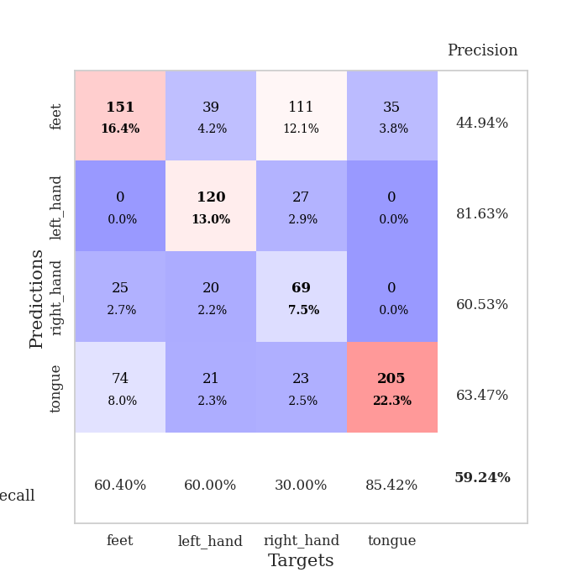
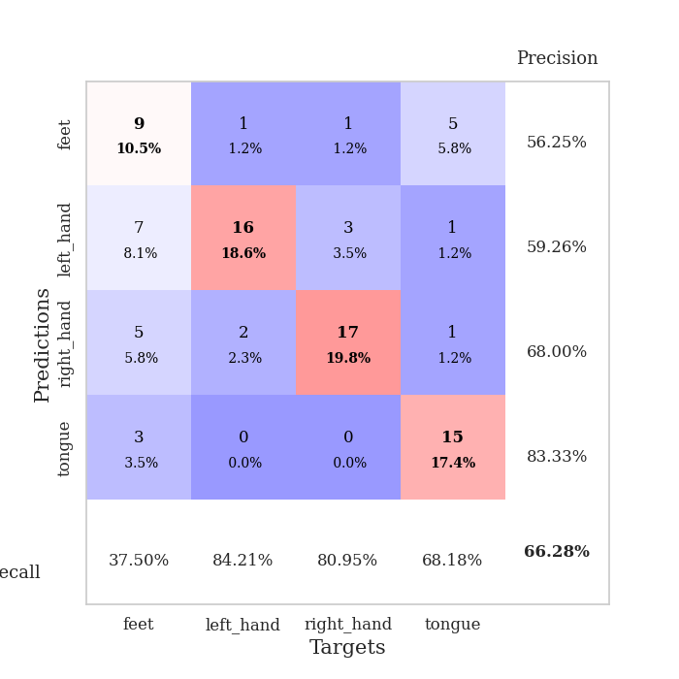
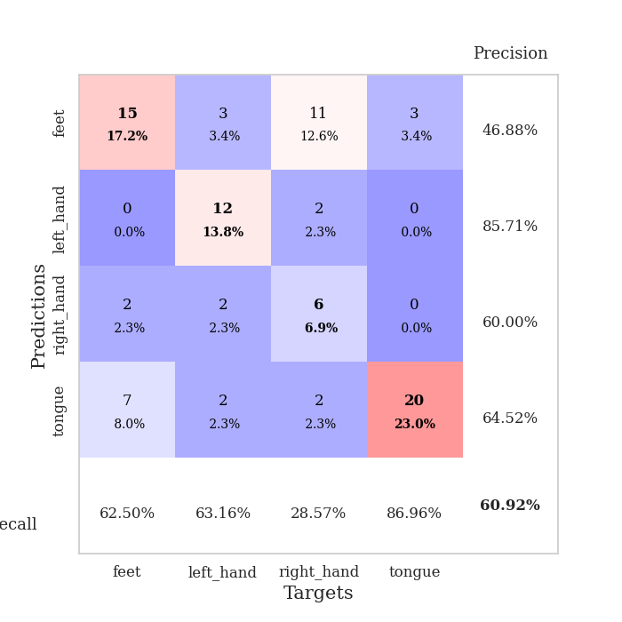
best_val_acc | best_val_los | best_test_acc
0.63043478261 | 0.9500521862 | 0.55172413793
0.65217391304 | 0.98529822412 | 0.54310344828
0.54347826087 | 1.1031043996 | 0.56896551724
0.61956521739 | 1.0020164692 | 0.60344827586
0.67391304348 | 0.91730731467 | 0.54310344828
0.59782608696 | 1.1500873462 | 0.5
0.66304347826 | 0.91604468615 | 0.60344827586
0.65217391304 | 1.0478409062 | 0.58620689655
0.64130434783 | 1.142825194 | 0.65517241379
0.66304347826 | 0.91549096418 | 0.56034482759

Mean,std Val accuracy is 0.633695652173913 , 0.039039749991452107 and mean, std test accuracy is 0.571551724137931 , 0.04282476962129112
best_val_acc | best_val_los | best_test_acc
0.70652173913 | 0.90545494271 | 0.69827586207
0.64130434783 | 1.0445247746 | 0.60344827586
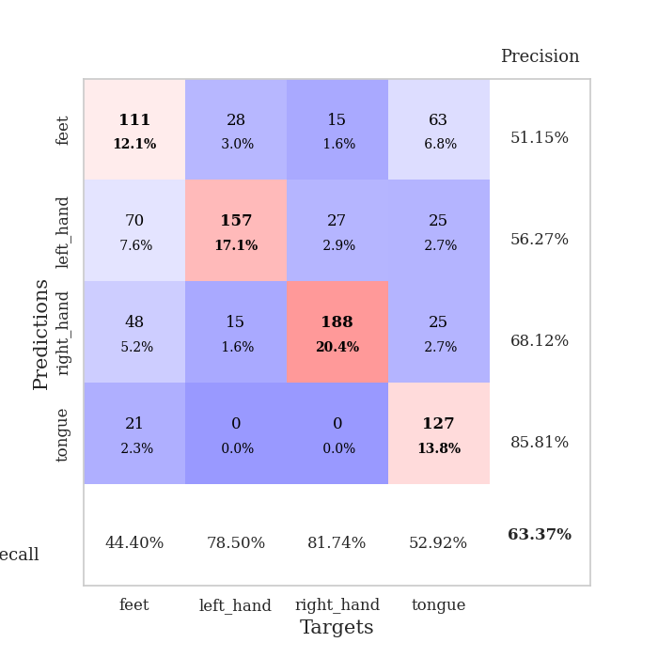
0.5652173913 | 1.1308711249 | 0.47413793103
0.67391304348 | 0.98752483337 | 0.72413793103
0.72826086957 | 0.74996921031 | 0.71551724138
0.58695652174 | 1.1396011917 | 0.51724137931
0.57608695652 | 1.0194336953 | 0.48275862069
0.70652173913 | 0.95583791059 | 0.68965517241
0.60869565217 | 1.005886109 | 0.52586206897
0.60869565217 | 1.0871609683 | 0.56034482759

Mean,std Val accuracy is 0.6402173913043478 , 0.05985393198197596 and mean, std test accuracy is 0.5991379310344828 , 0.09997770262709658
best_val_acc | best_val_los | best_test_acc
0.53260869565 | 1.3889428844 | 0.49137931034
0.47826086957 | 1.2136235911 | 0.49137931034

0.75 | 0.91507194612 | 0.75
0.73913043478 | 0.88641086609 | 0.74137931034
0.36956521739 | 1.3877803813 | 0.31034482759
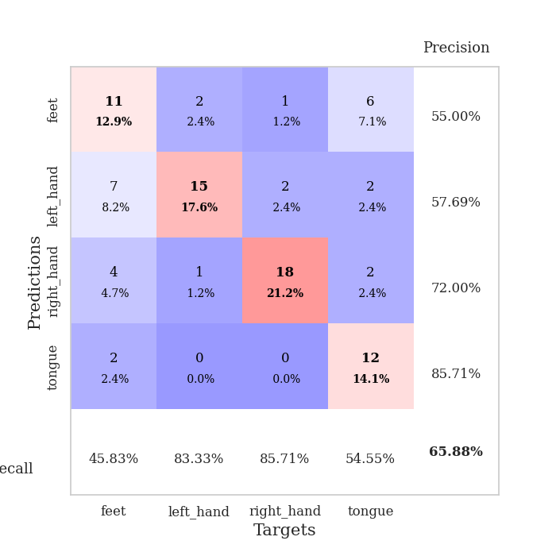
0.51086956522 | 0.97754481564 | 0.48275862069
0.75 | 0.90515708664 | 0.75
1 | 0.89362010748 | 1
0.53260869565 | 1.0108578568 | 0.52586206897
0.26086956522 | 0.99981389357 | 0.23275862069

Mean,std Val accuracy is 0.592391304347826 , 0.21698331280083835 and mean, std test accuracy is 0.5775862068965517 , 0.23131737698273688

Sheet1
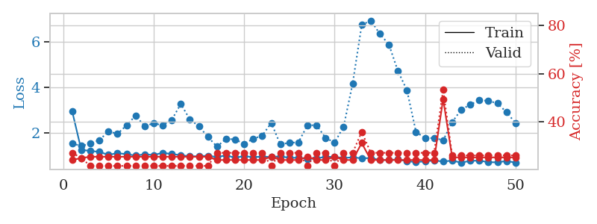
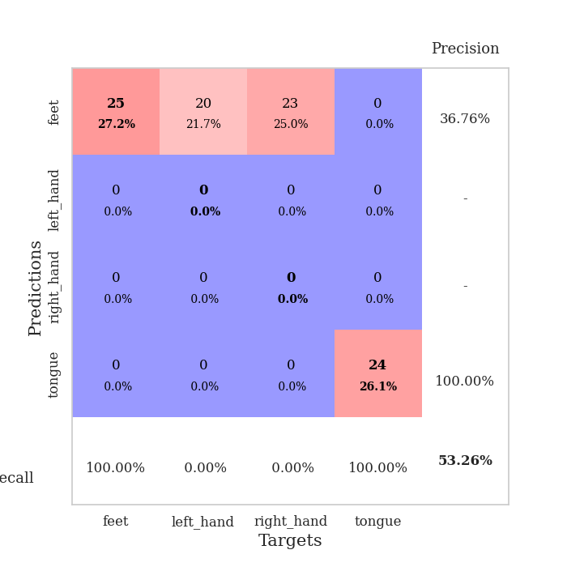
train_loss | valid_loss | train_accuracy | valid_accuracy | dur | train_misclass | valid_misclass
2.8346767477 | 2.5651697387 | 0.27717391304 | 0.28260869565 | 0.089165449142 | 27.717391304 | 28.260869565
1.4530936894 | 1.6739951372 | 0.44293478261 | 0.40217391304 | 0.083322048187 | 44.293478261 | 40.217391304
1.3429658879 | 1.2143210069 | 0.58695652174 | 0.42391304348 | 0.083251953125 | 58.695652174 | 42.391304348
1.0913208593 | 1.4095409849 | 0.58695652174 | 0.42391304348 | 0.083192110062 | 58.695652174 | 42.391304348
1.0239638738 | 1.1153667388 | 0.69565217391 | 0.48913043478 | 0.083150863647 | 69.565217391 | 48.913043478
0.85150319079 | 1.1076435058 | 0.71467391304 | 0.5 | 0.085499286652 | 71.467391304 | 50
0.94679251184 | 1.0337790147 | 0.77173913043 | 0.53260869565 | 0.08606672287 | 77.173913043 | 53.260869565
0.76039998169 | 1.0058841731 | 0.75815217391 | 0.54347826087 | 0.085833787918 | 75.815217391 | 54.347826087
0.80669895333 | 1.0491675242 | 0.78532608696 | 0.57608695652 | 0.085676431656 | 78.532608696 | 57.608695652
0.7242326866 | 1.1340532562 | 0.76086956522 | 0.5652173913 | 0.085255622864 | 76.086956522 | 56.52173913
0.6803760995 | 0.9500521862 | 0.8152173913 | 0.60869565217 | 0.086046934128 | 81.52173913 | 60.869565217
0.68724836603 | 1.0645814253 | 0.82065217391 | 0.55434782609 | 0.086537122726 | 82.065217391 | 55.434782609
0.71837828989 | 1.257057843 | 0.76086956522 | 0.48913043478 | 0.08470749855 | 76.086956522 | 48.913043478
0.67389569982 | 1.0476285323 | 0.86684782609 | 0.54347826087 | 0.08699131012 | 86.684782609 | 54.347826087
0.56156980862 | 1.0690027631 | 0.85326086957 | 0.59782608696 | 0.083614110947 | 85.326086957 | 59.782608696
0.5110843687 | 1.2191569546 | 0.76358695652 | 0.5652173913 | 0.083742141724 | 76.358695652 | 56.52173913
0.48695384193 | 1.2161703473 | 0.77173913043 | 0.52173913043 | 0.083793401718 | 77.173913043 | 52.173913043
0.46723127236 | 1.0817840566 | 0.78804347826 | 0.59782608696 | 0.083770275116 | 78.804347826 | 59.782608696
0.55282675442 | 1.1656175282 | 0.85326086957 | 0.59782608696 | 0.083477497101 | 85.326086957 | 59.782608696
0.49041644192 | 1.2876267796 | 0.77717391304 | 0.57608695652 | 0.08375287056 | 77.717391304 | 57.608695652
0.41572891888 | 1.243781888 | 0.78532608696 | 0.55434782609 | 0.083627939224 | 78.532608696 | 55.434782609
0.48223819357 | 1.1560797588 | 0.85869565217 | 0.58695652174 | 0.083909988403 | 85.869565217 | 58.695652174
0.47258215495 | 1.1724649564 | 0.82880434783 | 0.59782608696 | 0.083897590637 | 82.880434783 | 59.782608696
0.47647419961 | 1.379940147 | 0.78260869565 | 0.52173913043 | 0.083940505981 | 78.260869565 | 52.173913043
0.42493553978 | 1.1451349984 | 0.86141304348 | 0.58695652174 | 0.083791017532 | 86.141304348 | 58.695652174
0.39233479487 | 1.1737926525 | 0.88586956522 | 0.58695652174 | 0.083768844604 | 88.586956522 | 58.695652174
0.34208763229 | 1.1809137489 | 0.88043478261 | 0.58695652174 | 0.083791255951 | 88.043478261 | 58.695652174
0.36914068914 | 1.3213584993 | 0.83423913043 | 0.55434782609 | 0.083545446396 | 83.423913043 | 55.434782609
0.32418240574 | 1.1617512651 | 0.90760869565 | 0.59782608696 | 0.083734750748 | 90.760869565 | 59.782608696
0.34022624985 | 1.2839313797 | 0.82880434783 | 0.5652173913 | 0.083830118179 | 82.880434783 | 56.52173913
0.35821576028 | 1.2539029692 | 0.8777173913 | 0.57608695652 | 0.083787202835 | 87.77173913 | 57.608695652
0.28635547343 | 1.2605210284 | 0.85054347826 | 0.60869565217 | 0.083784341812 | 85.054347826 | 60.869565217
0.31132397963 | 1.2353977587 | 0.83423913043 | 0.5652173913 | 0.083722352982 | 83.423913043 | 56.52173913
0.26665831001 | 1.2280383058 | 0.85597826087 | 0.59782608696 | 0.083680868149 | 85.597826087 | 59.782608696
0.27103876063 | 1.176872326 | 0.88586956522 | 0.59782608696 | 0.085706472397 | 88.586956522 | 59.782608696
0.31480825952 | 1.1507817921 | 0.89945652174 | 0.60869565217 | 0.086303472519 | 89.945652174 | 60.869565217
0.26233446274 | 1.1932733629 | 0.89945652174 | 0.60869565217 | 0.086418867111 | 89.945652174 | 60.869565217
0.26462334816 | 1.1803344333 | 0.90489130435 | 0.60869565217 | 0.08570432663 | 90.489130435 | 60.869565217
0.20904953146 | 1.1845785017 | 0.90489130435 | 0.63043478261 | 0.085937738419 | 90.489130435 | 63.043478261
0.30112781505 | 1.1892792868 | 0.91304347826 | 0.61956521739 | 0.085366010666 | 91.304347826 | 61.956521739
0.23497060751 | 1.1781922164 | 0.92391304348 | 0.61956521739 | 0.086651086807 | 92.391304348 | 61.956521739
0.21172587379 | 1.1611974395 | 0.92391304348 | 0.63043478261 | 0.086621999741 | 92.391304348 | 63.043478261
0.20414653615 | 1.171705417 | 0.92934782609 | 0.61956521739 | 0.086562156677 | 92.934782609 | 61.956521739
0.26333408463 | 1.1856323532 | 0.92391304348 | 0.61956521739 | 0.085508108139 | 92.391304348 | 61.956521739
0.22852115722 | 1.1754923592 | 0.92663043478 | 0.61956521739 | 0.085804224014 | 92.663043478 | 61.956521739
0.22051823544 | 1.1694235128 | 0.93206521739 | 0.61956521739 | 0.084302186966 | 93.206521739 | 61.956521739
0.23425909132 | 1.163532283 | 0.93206521739 | 0.61956521739 | 0.085035324097 | 93.206521739 | 61.956521739
0.25999873682 | 1.1612783567 | 0.93206521739 | 0.61956521739 | 0.08505320549 | 93.206521739 | 61.956521739
0.2024673541 | 1.1577683687 | 0.9347826087 | 0.61956521739 | 0.084383487701 | 93.47826087 | 61.956521739
0.24535671038 | 1.1543857067 | 0.9375 | 0.61956521739 | 0.083433628082 | 93.75 | 61.956521739

Best Val accuracy is 0.6304347826086957 and Best test accuracy is 0.5517241379310345
train_loss | valid_loss | train_accuracy | valid_accuracy | dur | train_misclass | valid_misclass
3.3132639709 | 4.4896591332 | 0.2527173913 | 0.26086956522 | 0.086482048035 | 25.27173913 | 26.086956522
1.4023238058 | 3.2873377904 | 0.26086956522 | 0.28260869565 | 0.081519365311 | 26.086956522 | 28.260869565
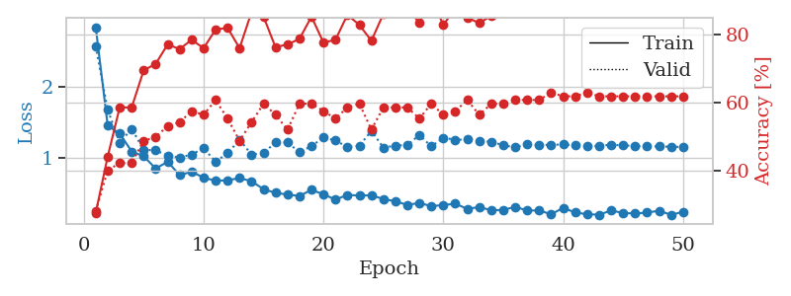
1.2561499476 | 2.5290057555 | 0.33423913043 | 0.28260869565 | 0.081072568893 | 33.423913043 | 28.260869565
1.1674900884 | 1.9614398272 | 0.42934782609 | 0.34782608696 | 0.080891132355 | 42.934782609 | 34.782608696
1.0174450252 | 1.4764121771 | 0.57336956522 | 0.4347826087 | 0.081160545349 | 57.336956522 | 43.47826087
1.0006861376 | 1.6886626534 | 0.51086956522 | 0.39130434783 | 0.085240364075 | 51.086956522 | 39.130434783
0.97426999134 | 1.342065495 | 0.6277173913 | 0.44565217391 | 0.081295013428 | 62.77173913 | 44.565217391
0.85368051477 | 1.2429116031 | 0.71739130435 | 0.48913043478 | 0.08130645752 | 71.739130435 | 48.913043478
0.74561953285 | 1.3004104158 | 0.67663043478 | 0.5 | 0.081608295441 | 67.663043478 | 50
0.83416545909 | 1.1924479319 | 0.77445652174 | 0.52173913043 | 0.081941843033 | 77.445652174 | 52.173913043
0.75962199983 | 1.4184338684 | 0.69836956522 | 0.45652173913 | 0.08137345314 | 69.836956522 | 45.652173913
0.6948659731 | 1.0270631054 | 0.83695652174 | 0.58695652174 | 0.081354379654 | 83.695652174 | 58.695652174
0.61486113071 | 1.0666623893 | 0.83695652174 | 0.55434782609 | 0.081370830536 | 83.695652174 | 55.434782609
0.71592251633 | 1.1722193905 | 0.79347826087 | 0.52173913043 | 0.081228256226 | 79.347826087 | 52.173913043
0.58228100771 | 1.0382227276 | 0.76086956522 | 0.57608695652 | 0.081218004227 | 76.086956522 | 57.608695652
0.60728367127 | 0.96577693328 | 0.89130434783 | 0.60869565217 | 0.081215620041 | 89.130434783 | 60.869565217
0.53565818136 | 0.99743895168 | 0.90217391304 | 0.61956521739 | 0.081466913223 | 90.217391304 | 61.956521739
0.49791635897 | 1.3353974482 | 0.79076086957 | 0.5 | 0.08126115799 | 79.076086957 | 50
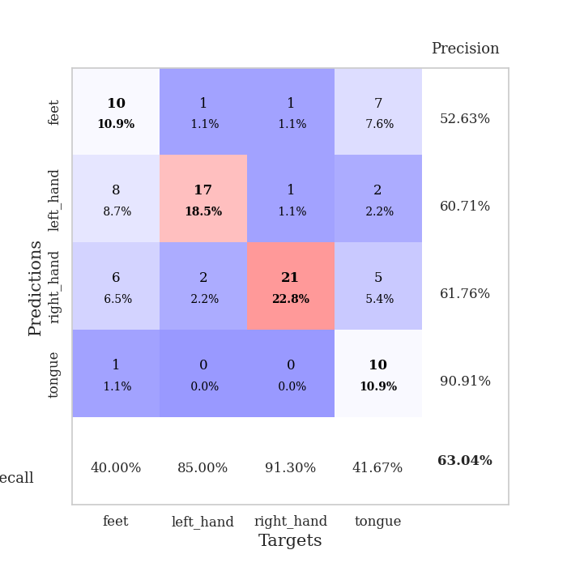
0.46984295936 | 1.0579900871 | 0.8777173913 | 0.58695652174 | 0.081142425537 | 87.77173913 | 58.695652174
0.43830858041 | 1.0809953951 | 0.89130434783 | 0.59782608696 | 0.081143379211 | 89.130434783 | 59.782608696
0.4165528138 | 0.96917698824 | 0.89945652174 | 0.63043478261 | 0.081282615662 | 89.945652174 | 63.043478261
0.40705622765 | 1.0157079697 | 0.91304347826 | 0.64130434783 | 0.081237077713 | 91.304347826 | 64.130434783
0.40890066974 | 1.1180931809 | 0.88586956522 | 0.60869565217 | 0.081357955933 | 88.586956522 | 60.869565217
0.32388354384 | 1.0680075288 | 0.89673913043 | 0.64130434783 | 0.081302881241 | 89.673913043 | 64.130434783
0.29812076753 | 1.2440586168 | 0.84782608696 | 0.59782608696 | 0.081194877625 | 84.782608696 | 59.782608696
0.39836310563 | 1.1080958092 | 0.85869565217 | 0.60869565217 | 0.081297636032 | 85.869565217 | 60.869565217
0.35734597658 | 1.1974881667 | 0.85597826087 | 0.60869565217 | 0.081149339676 | 85.597826087 | 60.869565217
0.31309483443 | 0.93310022354 | 0.93206521739 | 0.6847826087 | 0.081199884415 | 93.206521739 | 68.47826087
0.27739644666 | 0.90545494271 | 0.96195652174 | 0.70652173913 | 0.081472873688 | 96.195652174 | 70.652173913
0.29974730475 | 0.95820655512 | 0.95380434783 | 0.70652173913 | 0.081438302994 | 95.380434783 | 70.652173913
0.23171602416 | 0.96660356548 | 0.94836956522 | 0.66304347826 | 0.081144809723 | 94.836956522 | 66.304347826
0.2637061548 | 1.0424798507 | 0.9347826087 | 0.66304347826 | 0.081169605255 | 93.47826087 | 66.304347826
0.27521388816 | 1.0637003248 | 0.9375 | 0.63043478261 | 0.081266880035 | 93.75 | 63.043478261
0.25362508825 | 1.1274558345 | 0.89673913043 | 0.64130434783 | 0.0813331604 | 89.673913043 | 64.130434783
0.23425036426 | 0.99405402075 | 0.97282608696 | 0.66304347826 | 0.081454753876 | 97.282608696 | 66.304347826
0.24480409046 | 1.0568656883 | 0.95652173913 | 0.65217391304 | 0.081335306168 | 95.652173913 | 65.217391304
0.24554752996 | 1.0496187741 | 0.94565217391 | 0.63043478261 | 0.081317424774 | 94.565217391 | 63.043478261
0.2108214964 | 1.133139 | 0.93206521739 | 0.61956521739 | 0.081249713898 | 93.206521739 | 61.956521739
0.21896427578 | 1.0844366084 | 0.96195652174 | 0.65217391304 | 0.081272125244 | 96.195652174 | 65.217391304
0.218504884 | 1.0978066092 | 0.95923913043 | 0.64130434783 | 0.081396818161 | 95.923913043 | 64.130434783
0.24962901745 | 1.0313900852 | 0.97282608696 | 0.6847826087 | 0.081247329712 | 97.282608696 | 68.47826087
0.17010781768 | 1.081529572 | 0.96195652174 | 0.66304347826 | 0.081304073334 | 96.195652174 | 66.304347826
0.26980220073 | 1.0834531901 | 0.95923913043 | 0.63043478261 | 0.081456661224 | 95.923913043 | 63.043478261
0.19176717669 | 1.085155465 | 0.95380434783 | 0.64130434783 | 0.081216335297 | 95.380434783 | 64.130434783
0.192015483 | 1.0768043075 | 0.96195652174 | 0.64130434783 | 0.081275224686 | 96.195652174 | 64.130434783
0.22620964828 | 1.0662153376 | 0.96195652174 | 0.64130434783 | 0.081404447556 | 96.195652174 | 64.130434783
0.20502483245 | 1.0600834502 | 0.96467391304 | 0.63043478261 | 0.081432580948 | 96.467391304 | 63.043478261
0.19470256049 | 1.0560955574 | 0.96467391304 | 0.63043478261 | 0.081279993057 | 96.467391304 | 63.043478261
0.17903923559 | 1.0547104983 | 0.96739130435 | 0.63043478261 | 0.081429958344 | 96.739130435 | 63.043478261
0.21248237691 | 1.0530351504 | 0.97010869565 | 0.63043478261 | 0.081339120865 | 97.010869565 | 63.043478261

Best Val accuracy is 0.7065217391304348 and Best test accuracy is 0.6982758620689655
train_loss | valid_loss | train_accuracy | valid_accuracy | dur | train_misclass | valid_misclass
2.9302847282 | 1.5294018621 | 0.24184782609 | 0.27173913043 | 0.20848274231 | 24.184782609 | 27.173913043
1.2439696918 | 1.421861379 | 0.25 | 0.25 | 0.21105623245 | 25 | 25
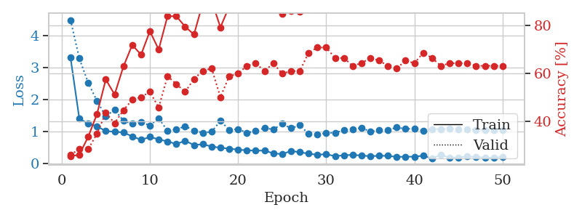
1.2064876012 | 1.5205697858 | 0.25543478261 | 0.21739130435 | 0.20792794228 | 25.543478261 | 21.739130435
1.1588180065 | 1.6797317266 | 0.25543478261 | 0.21739130435 | 0.21025395393 | 25.543478261 | 21.739130435
1.0313821927 | 2.0582829869 | 0.25543478261 | 0.21739130435 | 0.2092897892 | 25.543478261 | 21.739130435
1.1040394617 | 1.9554359861 | 0.25543478261 | 0.21739130435 | 0.20966696739 | 25.543478261 | 21.739130435
1.059212993 | 2.3237827861 | 0.25543478261 | 0.21739130435 | 0.20979547501 | 25.543478261 | 21.739130435
0.99636110275 | 2.7548155577 | 0.25543478261 | 0.21739130435 | 0.21114325523 | 25.543478261 | 21.739130435
1.0546224532 | 2.2961007408 | 0.25543478261 | 0.21739130435 | 0.2115020752 | 25.543478261 | 21.739130435
1.0198800486 | 2.4107384785 | 0.25543478261 | 0.21739130435 | 0.20985007286 | 25.543478261 | 21.739130435
1.1233894281 | 2.3330816497 | 0.25543478261 | 0.21739130435 | 0.20842337608 | 25.543478261 | 21.739130435
1.0609153898 | 2.5650364109 | 0.25543478261 | 0.21739130435 | 0.2120153904 | 25.543478261 | 21.739130435
1.0173543692 | 3.2668583497 | 0.25543478261 | 0.21739130435 | 0.20919132233 | 25.543478261 | 21.739130435
0.96069474583 | 2.5854923103 | 0.25543478261 | 0.21739130435 | 0.21246361732 | 25.543478261 | 21.739130435
0.96882124828 | 2.2825478575 | 0.25543478261 | 0.21739130435 | 0.20921778679 | 25.543478261 | 21.739130435
0.99152347316 | 1.8159658131 | 0.25543478261 | 0.21739130435 | 0.20875787735 | 25.543478261 | 21.739130435
0.93681532145 | 1.3889428844 | 0.24184782609 | 0.27173913043 | 0.20989489555 | 24.184782609 | 27.173913043
1.0045526909 | 1.7350950397 | 0.24184782609 | 0.27173913043 | 0.21241259575 | 24.184782609 | 27.173913043
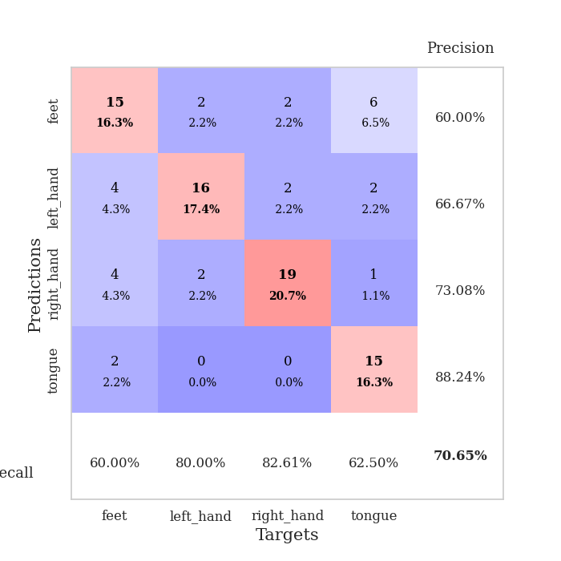
0.90722153757 | 1.7063046176 | 0.24184782609 | 0.27173913043 | 0.20938134193 | 24.184782609 | 27.173913043
0.97323943221 | 1.5128211405 | 0.24184782609 | 0.27173913043 | 0.21154594421 | 24.184782609 | 27.173913043
0.92617801739 | 1.7349261823 | 0.24184782609 | 0.27173913043 | 0.20890760422 | 24.184782609 | 27.173913043
0.95665814825 | 1.875955675 | 0.24184782609 | 0.27173913043 | 0.21111273766 | 24.184782609 | 27.173913043
0.93355489555 | 2.4340574223 | 0.25543478261 | 0.21739130435 | 0.21087622643 | 25.543478261 | 21.739130435
0.96657309066 | 1.4887684117 | 0.24184782609 | 0.27173913043 | 0.20909357071 | 24.184782609 | 27.173913043
0.89604580143 | 1.5614636411 | 0.24184782609 | 0.27173913043 | 0.21108913422 | 24.184782609 | 27.173913043
0.90179111387 | 1.5777826776 | 0.24184782609 | 0.27173913043 | 0.21074748039 | 24.184782609 | 27.173913043
0.85850653311 | 2.3305708118 | 0.25543478261 | 0.21739130435 | 0.20945715904 | 25.543478261 | 21.739130435
0.86813926438 | 2.3313517881 | 0.24184782609 | 0.27173913043 | 0.21111559868 | 24.184782609 | 27.173913043
0.94458422454 | 1.7793923254 | 0.24184782609 | 0.27173913043 | 0.20719003677 | 24.184782609 | 27.173913043
0.94024893253 | 1.564946553 | 0.25543478261 | 0.21739130435 | 0.20926976204 | 25.543478261 | 21.739130435
0.88967875294 | 2.2717710682 | 0.24184782609 | 0.27173913043 | 0.2099647522 | 24.184782609 | 27.173913043
0.92272609213 | 4.1706347673 | 0.24184782609 | 0.27173913043 | 0.20873093605 | 24.184782609 | 27.173913043
0.87486776062 | 6.7384258768 | 0.3125 | 0.35869565217 | 0.21205878258 | 31.25 | 35.869565217
0.89060914257 | 6.9292259216 | 0.24184782609 | 0.27173913043 | 0.21033072472 | 24.184782609 | 27.173913043
0.80527425331 | 6.3470572389 | 0.24184782609 | 0.27173913043 | 0.20604395866 | 24.184782609 | 27.173913043
0.79959957496 | 5.8796300681 | 0.24184782609 | 0.27173913043 | 0.21028423309 | 24.184782609 | 27.173913043
0.83369539872 | 4.7125689672 | 0.24184782609 | 0.27173913043 | 0.21072936058 | 24.184782609 | 27.173913043
0.74645755343 | 3.8664955264 | 0.24184782609 | 0.27173913043 | 0.21195292473 | 24.184782609 | 27.173913043
0.71676150742 | 2.038347379 | 0.24184782609 | 0.27173913043 | 0.20851230621 | 24.184782609 | 27.173913043
0.74031174831 | 1.7596259791 | 0.24184782609 | 0.27173913043 | 0.21018481255 | 24.184782609 | 27.173913043
0.78215449789 | 1.7713462581 | 0.24184782609 | 0.27173913043 | 0.21303629875 | 24.184782609 | 27.173913043
0.73829924283 | 1.6710565246 | 0.49456521739 | 0.53260869565 | 0.21220946312 | 49.456521739 | 53.260869565
0.77448080804 | 2.4670733162 | 0.2527173913 | 0.26086956522 | 0.2085146904 | 25.27173913 | 26.086956522
0.68968542762 | 3.0185959754 | 0.2527173913 | 0.26086956522 | 0.21168923378 | 25.27173913 | 26.086956522
0.76536311792 | 3.2344683875 | 0.2527173913 | 0.26086956522 | 0.21051669121 | 25.27173913 | 26.086956522
0.77718477923 | 3.4367047082 | 0.2527173913 | 0.26086956522 | 0.20978069305 | 25.27173913 | 26.086956522
0.70653381814 | 3.3986434211 | 0.2527173913 | 0.26086956522 | 0.20853209496 | 25.27173913 | 26.086956522
0.70218702892 | 3.2924125817 | 0.2527173913 | 0.26086956522 | 0.20856690407 | 25.27173913 | 26.086956522
0.75871293182 | 2.9046724465 | 0.2527173913 | 0.26086956522 | 0.20965766907 | 25.27173913 | 26.086956522
0.68973875435 | 2.4278226417 | 0.2527173913 | 0.26086956522 | 0.20845746994 | 25.27173913 | 26.086956522

Best Val accuracy is 0.532608695652174 and Best test accuracy is 0.49137931034482757

Sheet2
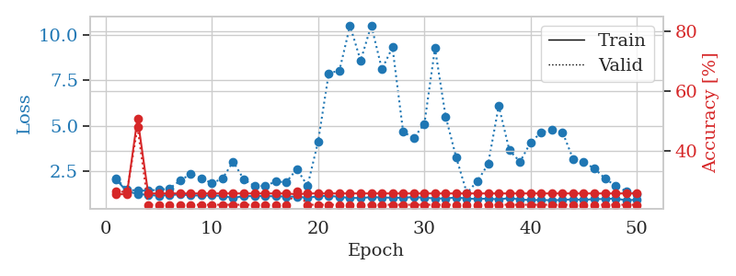
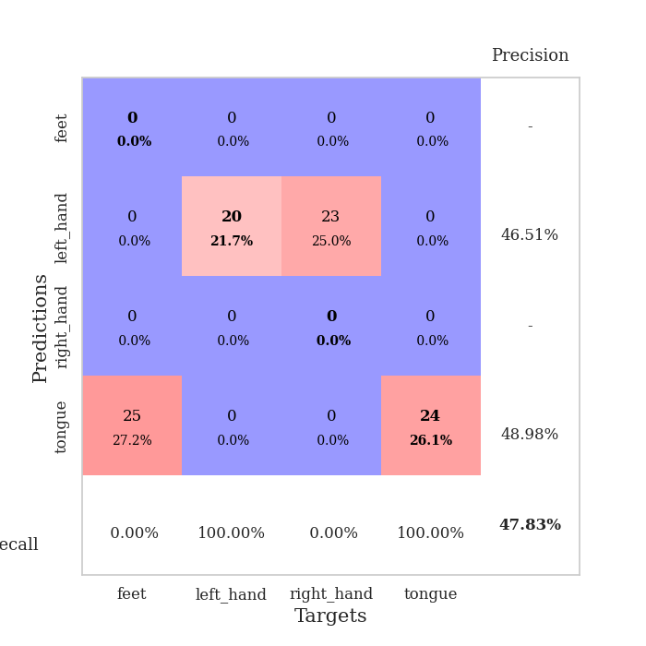
train_loss | valid_loss | train_accuracy | valid_accuracy | dur | train_misclass | valid_misclass
2.5100807314 | 2.8332889495 | 0.3097826087 | 0.34782608696 | 0.083969116211 | 30.97826087 | 34.782608696
1.5519854763 | 2.2840075597 | 0.2527173913 | 0.26086956522 | 0.083650112152 | 25.27173913 | 26.086956522
1.3025840003 | 1.4871940976 | 0.42119565217 | 0.32608695652 | 0.084443569183 | 42.119565217 | 32.608695652
1.1361029044 | 1.4909682896 | 0.46467391304 | 0.38043478261 | 0.083921432495 | 46.467391304 | 38.043478261
1.1077082287 | 1.3873752926 | 0.5652173913 | 0.39130434783 | 0.083669900894 | 56.52173913 | 39.130434783
0.98914073861 | 1.1758223979 | 0.67391304348 | 0.48913043478 | 0.083514928818 | 67.391304348 | 48.913043478
0.945196131 | 1.1005733013 | 0.6875 | 0.52173913043 | 0.083521604538 | 68.75 | 52.173913043
0.86019241551 | 1.1787223505 | 0.77173913043 | 0.51086956522 | 0.083805799484 | 77.173913043 | 51.086956522
0.84564875779 | 1.0395529426 | 0.78260869565 | 0.45652173913 | 0.083829164505 | 78.260869565 | 45.652173913
0.80862397863 | 1.1064653345 | 0.81793478261 | 0.53260869565 | 0.083811759949 | 81.793478261 | 53.260869565
0.78933504872 | 1.0631753051 | 0.82608695652 | 0.55434782609 | 0.084336042404 | 82.608695652 | 55.434782609
0.72143364989 | 1.0880611617 | 0.81793478261 | 0.54347826087 | 0.083840608597 | 81.793478261 | 54.347826087
0.68336719404 | 1.1052814411 | 0.80434782609 | 0.53260869565 | 0.083786725998 | 80.434782609 | 53.260869565
0.63112391208 | 1.0577144364 | 0.89130434783 | 0.58695652174 | 0.08389043808 | 89.130434783 | 58.695652174
0.6237433786 | 1.1353091572 | 0.82880434783 | 0.58695652174 | 0.083891630173 | 82.880434783 | 58.695652174
0.59796433475 | 1.1771633781 | 0.84782608696 | 0.55434782609 | 0.083956003189 | 84.782608696 | 55.434782609
0.61403228407 | 1.1739261617 | 0.77717391304 | 0.57608695652 | 0.084021806717 | 77.717391304 | 57.608695652
0.56686685008 | 1.2936444594 | 0.73369565217 | 0.53260869565 | 0.083810091019 | 73.369565217 | 53.260869565
0.54890440016 | 1.0226315726 | 0.90217391304 | 0.58695652174 | 0.083873987198 | 90.217391304 | 58.695652174
0.48815336694 | 1.2751671957 | 0.81793478261 | 0.55434782609 | 0.083727359772 | 81.793478261 | 55.434782609
0.57430380065 | 1.6404691002 | 0.60597826087 | 0.4347826087 | 0.083978891373 | 60.597826087 | 43.47826087
0.46502757202 | 1.4896042502 | 0.67663043478 | 0.48913043478 | 0.083795785904 | 67.663043478 | 48.913043478
0.45640033484 | 1.4502158787 | 0.64945652174 | 0.46739130435 | 0.083827257156 | 64.945652174 | 46.739130435
0.43193382413 | 1.330165578 | 0.79347826087 | 0.54347826087 | 0.083927631378 | 79.347826087 | 54.347826087
0.44209604257 | 1.3228219437 | 0.71195652174 | 0.51086956522 | 0.083694696426 | 71.195652174 | 51.086956522
0.42254056296 | 0.98529822412 | 0.89945652174 | 0.65217391304 | 0.083976268768 | 89.945652174 | 65.217391304
0.43124740992 | 1.1396441615 | 0.82608695652 | 0.55434782609 | 0.084301710129 | 82.608695652 | 55.434782609
0.36102423946 | 1.1013266004 | 0.85597826087 | 0.55434782609 | 0.084144115448 | 85.597826087 | 55.434782609
0.30814150753 | 1.1640104833 | 0.86413043478 | 0.5652173913 | 0.083928585052 | 86.413043478 | 56.52173913
0.38409121399 | 1.0641007786 | 0.9347826087 | 0.57608695652 | 0.083883285522 | 93.47826087 | 57.608695652
0.36952890747 | 1.126160518 | 0.88043478261 | 0.5652173913 | 0.083655595779 | 88.043478261 | 56.52173913
0.29614140158 | 1.1196838928 | 0.89130434783 | 0.55434782609 | 0.083682775497 | 89.130434783 | 55.434782609
0.36017201744 | 1.1965312802 | 0.85326086957 | 0.5652173913 | 0.083865880966 | 85.326086957 | 56.52173913
0.32492607735 | 1.2538422657 | 0.85597826087 | 0.54347826087 | 0.083761930466 | 85.597826087 | 54.347826087
0.26539770222 | 1.2964676308 | 0.80706521739 | 0.52173913043 | 0.083781719208 | 80.706521739 | 52.173913043
0.31163034653 | 1.121909608 | 0.91304347826 | 0.63043478261 | 0.083973407745 | 91.304347826 | 63.043478261
0.30953260382 | 1.2952692146 | 0.8097826087 | 0.5652173913 | 0.083988428116 | 80.97826087 | 56.52173913
0.2572973607 | 1.2032883737 | 0.82880434783 | 0.5652173913 | 0.083992481232 | 82.880434783 | 56.52173913
0.31904439758 | 1.1871271289 | 0.88315217391 | 0.59782608696 | 0.083884239197 | 88.315217391 | 59.782608696
0.2702475459 | 1.1364814043 | 0.91304347826 | 0.64130434783 | 0.083693981171 | 91.304347826 | 64.130434783
0.26924088694 | 1.1548945645 | 0.90760869565 | 0.63043478261 | 0.083832502365 | 90.760869565 | 63.043478261
0.26763192176 | 1.1459864896 | 0.92119565217 | 0.64130434783 | 0.083702802658 | 92.119565217 | 64.130434783
0.28563075869 | 1.1769401561 | 0.90489130435 | 0.60869565217 | 0.083754777908 | 90.489130435 | 60.869565217
0.26442181384 | 1.1708768865 | 0.91847826087 | 0.63043478261 | 0.083711624146 | 91.847826087 | 63.043478261
0.26542054959 | 1.1642976118 | 0.90760869565 | 0.63043478261 | 0.083647966385 | 90.760869565 | 63.043478261
0.22353370569 | 1.1441183764 | 0.91576086957 | 0.63043478261 | 0.083811283112 | 91.576086957 | 63.043478261
0.25719724272 | 1.1395048266 | 0.91847826087 | 0.64130434783 | 0.083918333054 | 91.847826087 | 64.130434783
0.28384418518 | 1.1351055166 | 0.92119565217 | 0.64130434783 | 0.083925485611 | 92.119565217 | 64.130434783
0.27006831927 | 1.1325218418 | 0.92391304348 | 0.65217391304 | 0.083976984024 | 92.391304348 | 65.217391304
0.25051121252 | 1.1308653147 | 0.92391304348 | 0.65217391304 | 0.083729982376 | 92.391304348 | 65.217391304

Best Val accuracy is 0.6521739130434783 and Best test accuracy is 0.5431034482758621
train_loss | valid_loss | train_accuracy | valid_accuracy | dur | train_misclass | valid_misclass
3.3226160848 | 2.7765569065 | 0.2527173913 | 0.26086956522 | 0.082745790482 | 25.27173913 | 26.086956522
1.454504876 | 2.5981435672 | 0.2527173913 | 0.26086956522 | 0.081162452698 | 25.27173913 | 26.086956522
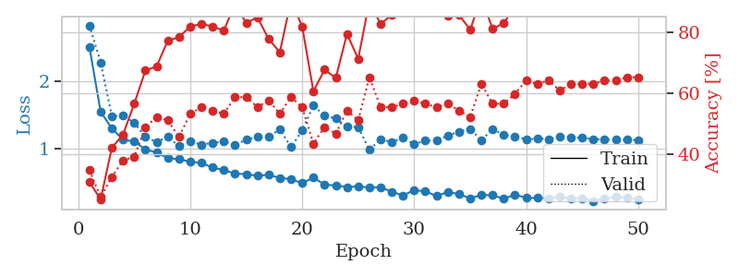
1.1966347124 | 2.4506070199 | 0.36684782609 | 0.30434782609 | 0.080837965012 | 36.684782609 | 30.434782609
1.0533462711 | 1.4576893527 | 0.50815217391 | 0.33695652174 | 0.081042766571 | 50.815217391 | 33.695652174
0.9299274385 | 1.6074948155 | 0.51630434783 | 0.36956521739 | 0.080938100815 | 51.630434783 | 36.956521739
0.93468880394 | 1.1874269869 | 0.61684782609 | 0.44565217391 | 0.081330060959 | 61.684782609 | 44.565217391
0.84469956807 | 1.2207224602 | 0.71195652174 | 0.46739130435 | 0.081648826599 | 71.195652174 | 46.739130435
0.80842073327 | 1.2470411736 | 0.78532608696 | 0.46739130435 | 0.08150601387 | 78.532608696 | 46.739130435
0.76409288723 | 1.1687408815 | 0.85326086957 | 0.52173913043 | 0.081191778183 | 85.326086957 | 52.173913043
0.71081498913 | 1.1525378383 | 0.82608695652 | 0.52173913043 | 0.081408500671 | 82.608695652 | 52.173913043
0.6638096869 | 1.1720215523 | 0.86956521739 | 0.57608695652 | 0.081365585327 | 86.956521739 | 57.608695652
0.66289375787 | 1.2367162938 | 0.88043478261 | 0.5652173913 | 0.081573486328 | 88.043478261 | 56.52173913
0.58756084157 | 1.3153800446 | 0.86956521739 | 0.51086956522 | 0.081080675125 | 86.956521739 | 51.086956522
0.54455291707 | 1.3187615897 | 0.88858695652 | 0.52173913043 | 0.081582069397 | 88.858695652 | 52.173913043
0.58861848647 | 1.3166494577 | 0.8777173913 | 0.55434782609 | 0.081300020218 | 87.77173913 | 55.434782609
0.51331688205 | 1.2514000146 | 0.85597826087 | 0.5652173913 | 0.081198692322 | 85.597826087 | 56.52173913
0.44223011382 | 1.1028072808 | 0.93206521739 | 0.57608695652 | 0.081357479095 | 93.206521739 | 57.608695652
0.42984090875 | 1.5778421449 | 0.79619565217 | 0.46739130435 | 0.081147432327 | 79.619565217 | 46.739130435
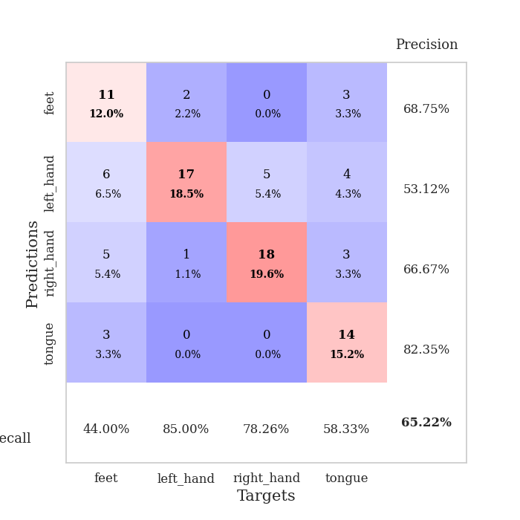
0.44583153854 | 1.1909047987 | 0.92119565217 | 0.58695652174 | 0.081179141998 | 92.119565217 | 58.695652174
0.42412686542 | 1.1585258479 | 0.9402173913 | 0.54347826087 | 0.082029819489 | 94.02173913 | 54.347826087
0.40269591756 | 1.0698693084 | 0.94565217391 | 0.57608695652 | 0.081341743469 | 94.565217391 | 57.608695652
0.39326886638 | 1.3213465732 | 0.89945652174 | 0.53260869565 | 0.081255197525 | 89.945652174 | 53.260869565
0.37940996205 | 1.3092834146 | 0.875 | 0.5 | 0.08127117157 | 87.5 | 50
0.33564885997 | 1.1223429519 | 0.9402173913 | 0.58695652174 | 0.081240653992 | 94.02173913 | 58.695652174
0.30617496404 | 1.3510603464 | 0.86141304348 | 0.5652173913 | 0.081303119659 | 86.141304348 | 56.52173913
0.26410300544 | 1.1758582359 | 0.9347826087 | 0.5652173913 | 0.081376791 | 93.47826087 | 56.52173913
0.24961887203 | 1.3736773781 | 0.88858695652 | 0.52173913043 | 0.08127951622 | 88.858695652 | 52.173913043
0.24862593834 | 1.1376833449 | 0.95652173913 | 0.57608695652 | 0.081223487854 | 95.652173913 | 57.608695652
0.22826778921 | 1.4662575696 | 0.85326086957 | 0.53260869565 | 0.08126449585 | 85.326086957 | 53.260869565
0.27654597163 | 1.1571002758 | 0.9375 | 0.57608695652 | 0.081339597702 | 93.75 | 57.608695652
0.27439872921 | 1.3634892935 | 0.88858695652 | 0.57608695652 | 0.081214904785 | 88.858695652 | 57.608695652
0.23506331444 | 1.3450236839 | 0.91304347826 | 0.53260869565 | 0.081196308136 | 91.304347826 | 53.260869565
0.24535774407 | 1.2420042313 | 0.94565217391 | 0.59782608696 | 0.081123352051 | 94.565217391 | 59.782608696
0.207812284 | 1.1537857989 | 0.98097826087 | 0.57608695652 | 0.081684350967 | 98.097826087 | 57.608695652
0.21294133543 | 1.2013511878 | 0.95108695652 | 0.57608695652 | 0.084408044815 | 95.108695652 | 57.608695652
0.2255319182 | 1.0445247746 | 0.98913043478 | 0.61956521739 | 0.08254981041 | 98.913043478 | 61.956521739
0.22019066532 | 1.1734489436 | 0.96467391304 | 0.60869565217 | 0.082807779312 | 96.467391304 | 60.869565217
0.17701135479 | 1.1533857765 | 0.97554347826 | 0.63043478261 | 0.082718372345 | 97.554347826 | 63.043478261
0.19325122043 | 1.0766642599 | 0.98641304348 | 0.64130434783 | 0.082942724228 | 98.641304348 | 64.130434783
0.17233425314 | 1.093564303 | 0.98913043478 | 0.61956521739 | 0.082892417908 | 98.913043478 | 61.956521739
0.16295338843 | 1.1370669798 | 0.97554347826 | 0.59782608696 | 0.082996845245 | 97.554347826 | 59.782608696
0.19173556599 | 1.1208596605 | 0.98641304348 | 0.61956521739 | 0.082619190216 | 98.641304348 | 61.956521739
0.19161679531 | 1.1084120027 | 0.98641304348 | 0.60869565217 | 0.082501888275 | 98.641304348 | 60.869565217
0.17125712481 | 1.1233335487 | 0.98097826087 | 0.59782608696 | 0.082446098328 | 98.097826087 | 59.782608696
0.15590959585 | 1.1159752815 | 0.98913043478 | 0.60869565217 | 0.082458496094 | 98.913043478 | 60.869565217
0.17413873112 | 1.113962408 | 0.99184782609 | 0.60869565217 | 0.082613706589 | 99.184782609 | 60.869565217
0.17697587901 | 1.1130407569 | 0.99184782609 | 0.61956521739 | 0.082602739334 | 99.184782609 | 61.956521739
0.16868042411 | 1.1072247275 | 0.99184782609 | 0.63043478261 | 0.08260679245 | 99.184782609 | 63.043478261
0.20436620226 | 1.1019256167 | 0.99184782609 | 0.64130434783 | 0.082632541656 | 99.184782609 | 64.130434783
0.16832258066 | 1.098086523 | 0.99184782609 | 0.64130434783 | 0.082466125488 | 99.184782609 | 64.130434783

Best Val accuracy is 0.6413043478260869 and Best test accuracy is 0.603448275862069
train_loss | valid_loss | train_accuracy | valid_accuracy | dur | train_misclass | valid_misclass
2.0180295706 | 2.0521366855 | 0.2527173913 | 0.26086956522 | 0.21005177498 | 25.27173913 | 26.086956522
1.354546096 | 1.4771446145 | 0.2527173913 | 0.26086956522 | 0.2095746994 | 25.27173913 | 26.086956522
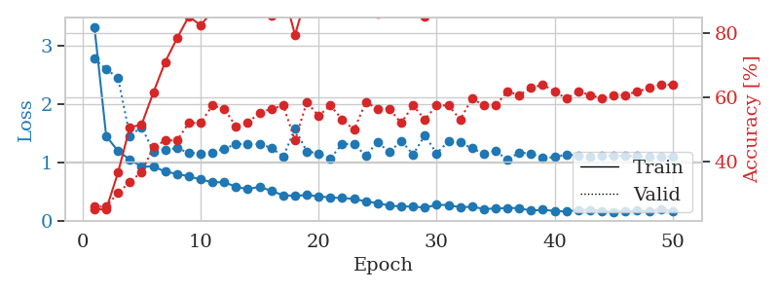
1.2313926738 | 1.3944610254 | 0.50815217391 | 0.47826086957 | 0.21281981468 | 50.815217391 | 47.826086957
1.1638583852 | 1.4187216966 | 0.25543478261 | 0.21739130435 | 0.20874261856 | 25.543478261 | 21.739130435
1.1273541658 | 1.4484655546 | 0.25543478261 | 0.21739130435 | 0.21252441406 | 25.543478261 | 21.739130435
1.1622486736 | 1.5207238612 | 0.25543478261 | 0.21739130435 | 0.21356391907 | 25.543478261 | 21.739130435
1.1957809485 | 1.9544305905 | 0.25543478261 | 0.21739130435 | 0.21043920517 | 25.543478261 | 21.739130435
1.142973861 | 2.3317510874 | 0.25543478261 | 0.21739130435 | 0.21049904823 | 25.543478261 | 21.739130435
1.1369775741 | 2.0999146648 | 0.25543478261 | 0.21739130435 | 0.21304297447 | 25.543478261 | 21.739130435
1.1412026804 | 1.8132914719 | 0.25543478261 | 0.21739130435 | 0.21355986595 | 25.543478261 | 21.739130435
1.1135193887 | 2.0786115916 | 0.25543478261 | 0.21739130435 | 0.21075701714 | 25.543478261 | 21.739130435
1.0018537407 | 3.0110321045 | 0.25543478261 | 0.21739130435 | 0.21236276627 | 25.543478261 | 21.739130435
1.1028148221 | 2.0289784307 | 0.25543478261 | 0.21739130435 | 0.21037650108 | 25.543478261 | 21.739130435
1.0986739371 | 1.6637543388 | 0.25543478261 | 0.21739130435 | 0.21007943153 | 25.543478261 | 21.739130435
1.1045594915 | 1.6613489027 | 0.25543478261 | 0.21739130435 | 0.21279025078 | 25.543478261 | 21.739130435
1.0885601614 | 1.909540306 | 0.25543478261 | 0.21739130435 | 0.2130086422 | 25.543478261 | 21.739130435
1.0809396168 | 1.8724955424 | 0.25543478261 | 0.21739130435 | 0.21199703217 | 25.543478261 | 21.739130435
1.0690573091 | 2.6028729003 | 0.2527173913 | 0.26086956522 | 0.2111685276 | 25.27173913 | 26.086956522
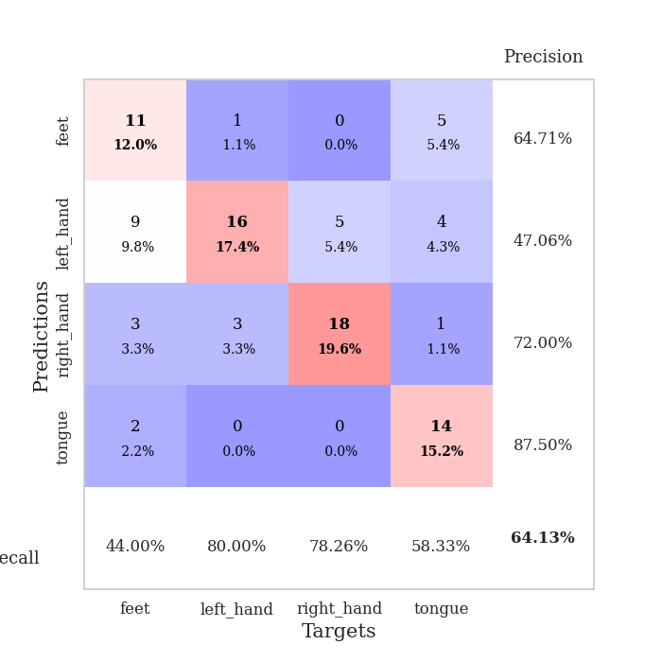
1.0123024635 | 1.6672534735 | 0.25543478261 | 0.21739130435 | 0.20955276489 | 25.543478261 | 21.739130435
1.0941770465 | 4.1275816171 | 0.25543478261 | 0.21739130435 | 0.20488142967 | 25.543478261 | 21.739130435
1.1171494567 | 7.9040266535 | 0.25543478261 | 0.21739130435 | 0.20953416824 | 25.543478261 | 21.739130435
1.0626193311 | 8.042337542 | 0.25543478261 | 0.21739130435 | 0.20989012718 | 25.543478261 | 21.739130435
0.99852369661 | 10.531274588 | 0.25543478261 | 0.21739130435 | 0.21217107773 | 25.543478261 | 21.739130435
0.99744157428 | 8.5938976537 | 0.25543478261 | 0.21739130435 | 0.20649838448 | 25.543478261 | 21.739130435
1.0459897596 | 10.553708823 | 0.25543478261 | 0.21739130435 | 0.21162247658 | 25.543478261 | 21.739130435
1.0300245026 | 8.1249131327 | 0.25543478261 | 0.21739130435 | 0.21317410469 | 25.543478261 | 21.739130435
1.0110932718 | 9.3342453086 | 0.25543478261 | 0.21739130435 | 0.21052980423 | 25.543478261 | 21.739130435
1.0144774681 | 4.6582264693 | 0.25543478261 | 0.21739130435 | 0.20794177055 | 25.543478261 | 21.739130435
1.0516736792 | 4.3182423011 | 0.25543478261 | 0.21739130435 | 0.20941758156 | 25.543478261 | 21.739130435
1.0101297368 | 5.0989654582 | 0.25543478261 | 0.21739130435 | 0.20971870422 | 25.543478261 | 21.739130435
0.97787110443 | 9.2830445248 | 0.25543478261 | 0.21739130435 | 0.21196579933 | 25.543478261 | 21.739130435
0.96829614432 | 5.5125240865 | 0.25543478261 | 0.21739130435 | 0.20679569244 | 25.543478261 | 21.739130435
1.0322222736 | 3.235017082 | 0.25543478261 | 0.21739130435 | 0.20900988579 | 25.543478261 | 21.739130435
0.96433487146 | 1.2744358674 | 0.25543478261 | 0.21739130435 | 0.21124649048 | 25.543478261 | 21.739130435
0.94207613365 | 1.935361318 | 0.25543478261 | 0.21739130435 | 0.21352505684 | 25.543478261 | 21.739130435
0.96294894426 | 2.8712066049 | 0.25543478261 | 0.21739130435 | 0.20880007744 | 25.543478261 | 21.739130435
0.91858566844 | 6.0949033032 | 0.25543478261 | 0.21739130435 | 0.2074649334 | 25.543478261 | 21.739130435
0.99259941993 | 3.6435733463 | 0.25543478261 | 0.21739130435 | 0.211145401 | 25.543478261 | 21.739130435
0.91295525302 | 2.9968696574 | 0.25543478261 | 0.21739130435 | 0.21141910553 | 25.543478261 | 21.739130435
0.88451718247 | 4.0715630365 | 0.25543478261 | 0.21739130435 | 0.20830154419 | 25.543478261 | 21.739130435
0.88753391867 | 4.6312393106 | 0.25543478261 | 0.21739130435 | 0.21176671982 | 25.543478261 | 21.739130435
0.87472990285 | 4.7646601096 | 0.25543478261 | 0.21739130435 | 0.21056318283 | 25.543478261 | 21.739130435
0.89038642334 | 4.6456863984 | 0.25543478261 | 0.21739130435 | 0.20807290077 | 25.543478261 | 21.739130435
0.92916435522 | 3.1551760902 | 0.25543478261 | 0.21739130435 | 0.20888996124 | 25.543478261 | 21.739130435
0.89444628747 | 2.9806714991 | 0.25543478261 | 0.21739130435 | 0.21377897263 | 25.543478261 | 21.739130435
0.93881937991 | 2.6277685062 | 0.25543478261 | 0.21739130435 | 0.20875000954 | 25.543478261 | 21.739130435
0.93813125984 | 2.0849228424 | 0.25543478261 | 0.21739130435 | 0.20873904228 | 25.543478261 | 21.739130435
0.97189444044 | 1.6639940428 | 0.25543478261 | 0.21739130435 | 0.21186256409 | 25.543478261 | 21.739130435
0.86892768093 | 1.3733892804 | 0.25543478261 | 0.21739130435 | 0.20970582962 | 25.543478261 | 21.739130435
0.90621614974 | 1.2136235911 | 0.25543478261 | 0.21739130435 | 0.21009540558 | 25.543478261 | 21.739130435

Best Val accuracy is 0.4782608695652174 and Best test accuracy is 0.49137931034482757

Sheet3
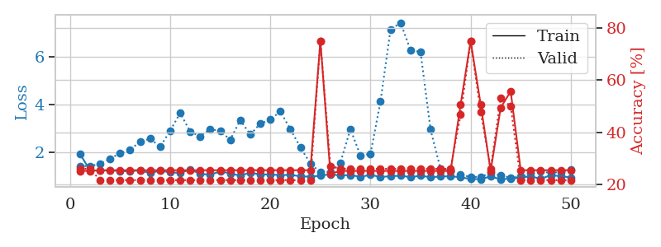
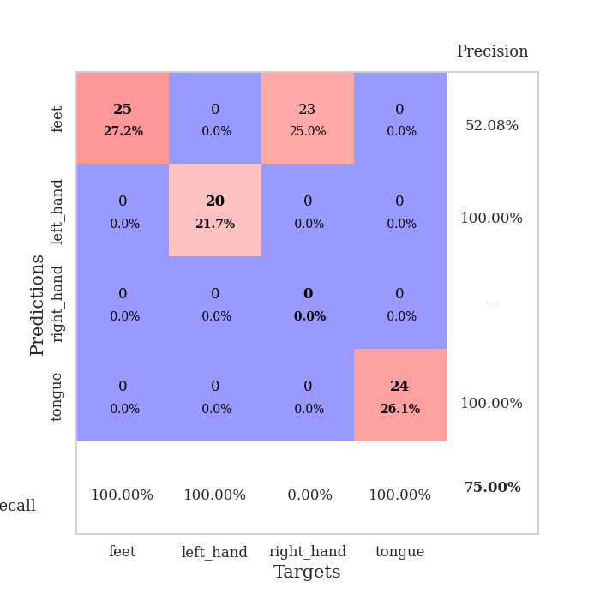
train_loss | valid_loss | train_accuracy | valid_accuracy | dur | train_misclass | valid_misclass
3.6904525446 | 1.8058363251 | 0.38043478261 | 0.33695652174 | 0.085166692734 | 38.043478261 | 33.695652174
1.5148111141 | 3.3603392477 | 0.40760869565 | 0.36956521739 | 0.083659887314 | 40.760869565 | 36.956521739
1.2789064827 | 2.6915604861 | 0.33423913043 | 0.34782608696 | 0.083594799042 | 33.423913043 | 34.782608696
1.1740975898 | 1.6238182472 | 0.52717391304 | 0.41304347826 | 0.08332324028 | 52.717391304 | 41.304347826
1.0198144369 | 1.7375890172 | 0.57065217391 | 0.39130434783 | 0.083422422409 | 57.065217391 | 39.130434783
0.9801005151 | 1.6030405397 | 0.63858695652 | 0.41304347826 | 0.08330988884 | 63.858695652 | 41.304347826
0.90629401414 | 1.3705753088 | 0.72826086957 | 0.45652173913 | 0.083367824554 | 72.826086957 | 45.652173913
0.80880074657 | 1.1848690924 | 0.78532608696 | 0.5 | 0.083848714828 | 78.532608696 | 50
0.8227646908 | 1.2048380219 | 0.76358695652 | 0.5 | 0.084018468857 | 76.358695652 | 50
0.82150420935 | 1.1031043996 | 0.8125 | 0.44565217391 | 0.083844900131 | 81.25 | 44.565217391
0.76414911255 | 1.2633209073 | 0.76358695652 | 0.48913043478 | 0.083834648132 | 76.358695652 | 48.913043478
0.72086226163 | 1.267006475 | 0.82608695652 | 0.41304347826 | 0.083923816681 | 82.608695652 | 41.304347826
0.73182823347 | 1.2622065285 | 0.82336956522 | 0.41304347826 | 0.08375120163 | 82.336956522 | 41.304347826
0.64232958011 | 1.1424247959 | 0.86956521739 | 0.45652173913 | 0.083559274673 | 86.956521739 | 45.652173913
0.65435407084 | 1.3208129872 | 0.82880434783 | 0.42391304348 | 0.08374786377 | 82.880434783 | 42.391304348
0.65676121997 | 1.2877585629 | 0.81793478261 | 0.45652173913 | 0.08379483223 | 81.793478261 | 45.652173913
0.56352815162 | 1.4497274109 | 0.79891304348 | 0.42391304348 | 0.083838701248 | 79.891304348 | 42.391304348
0.63885228401 | 1.2383989925 | 0.79076086957 | 0.47826086957 | 0.083676576614 | 79.076086957 | 47.826086957
0.55718890804 | 1.2369810135 | 0.73369565217 | 0.52173913043 | 0.083572387695 | 73.369565217 | 52.173913043
0.55674977017 | 1.3852663247 | 0.71195652174 | 0.48913043478 | 0.083833694458 | 71.195652174 | 48.913043478
0.49641228435 | 1.3094799467 | 0.77989130435 | 0.45652173913 | 0.083746671677 | 77.989130435 | 45.652173913
0.50238787221 | 1.2940593232 | 0.80163043478 | 0.45652173913 | 0.083441019058 | 80.163043478 | 45.652173913
0.47417000066 | 1.186528351 | 0.88315217391 | 0.45652173913 | 0.085314273834 | 88.315217391 | 45.652173913
0.48111641407 | 1.2062485477 | 0.89130434783 | 0.47826086957 | 0.083429336548 | 89.130434783 | 47.826086957
0.48041246961 | 1.3231135037 | 0.88586956522 | 0.45652173913 | 0.083601474762 | 88.586956522 | 45.652173913
0.43635255811 | 1.1421521798 | 0.9375 | 0.51086956522 | 0.083775520325 | 93.75 | 51.086956522
0.46684843302 | 1.28051041 | 0.89673913043 | 0.48913043478 | 0.085016012192 | 89.673913043 | 48.913043478
0.39783024075 | 1.1811918098 | 0.90489130435 | 0.52173913043 | 0.083354473114 | 90.489130435 | 52.173913043
0.40537557006 | 1.3233429841 | 0.86141304348 | 0.47826086957 | 0.083401441574 | 86.141304348 | 47.826086957
0.40766419729 | 1.3288145687 | 0.82880434783 | 0.47826086957 | 0.083338975906 | 82.880434783 | 47.826086957
0.38352391772 | 1.2476086927 | 0.92663043478 | 0.4347826087 | 0.083493709564 | 92.663043478 | 43.47826087
0.36094244343 | 1.2694637361 | 0.88043478261 | 0.51086956522 | 0.083327770233 | 88.043478261 | 51.086956522
0.35132505032 | 1.2942039863 | 0.95108695652 | 0.45652173913 | 0.083328962326 | 95.108695652 | 45.652173913
0.38413494761 | 1.1572015389 | 0.92663043478 | 0.48913043478 | 0.083126306534 | 92.663043478 | 48.913043478
0.30983942034 | 1.1939968311 | 0.9347826087 | 0.48913043478 | 0.083210706711 | 93.47826087 | 48.913043478
0.3211219246 | 1.1889270129 | 0.92391304348 | 0.47826086957 | 0.083325386047 | 92.391304348 | 47.826086957
0.30799871294 | 1.2123635463 | 0.90760869565 | 0.48913043478 | 0.083348989487 | 90.760869565 | 48.913043478
0.31255604424 | 1.137152804 | 0.9347826087 | 0.5 | 0.083219766617 | 93.47826087 | 50
0.33409669607 | 1.1567818056 | 0.9402173913 | 0.47826086957 | 0.083217382431 | 94.02173913 | 47.826086957
0.26618018682 | 1.1827245173 | 0.92663043478 | 0.47826086957 | 0.083147287369 | 92.663043478 | 47.826086957
0.29078468875 | 1.1410086025 | 0.93206521739 | 0.51086956522 | 0.085307598114 | 93.206521739 | 51.086956522
0.31107186785 | 1.1669009924 | 0.92663043478 | 0.5 | 0.083744525909 | 92.663043478 | 50
0.31676617589 | 1.1855138255 | 0.91847826087 | 0.51086956522 | 0.083603620529 | 91.847826087 | 51.086956522
0.29458274725 | 1.2029212998 | 0.90489130435 | 0.54347826087 | 0.083891630173 | 90.489130435 | 54.347826087
0.28365234933 | 1.1843097961 | 0.91847826087 | 0.51086956522 | 0.083915233612 | 91.847826087 | 51.086956522
0.29386479408 | 1.1767864772 | 0.92119565217 | 0.51086956522 | 0.083565235138 | 92.119565217 | 51.086956522
0.28420050215 | 1.1678154339 | 0.93206521739 | 0.51086956522 | 0.08355474472 | 93.206521739 | 51.086956522
0.29971705377 | 1.1654376647 | 0.9375 | 0.51086956522 | 0.083558320999 | 93.75 | 51.086956522
0.27108646767 | 1.1613879929 | 0.9402173913 | 0.51086956522 | 0.083527326584 | 94.02173913 | 51.086956522
0.28018640792 | 1.159203506 | 0.94565217391 | 0.51086956522 | 0.083579540253 | 94.565217391 | 51.086956522

Best Val accuracy is 0.5434782608695652 and Best test accuracy is 0.5689655172413793
train_loss | valid_loss | train_accuracy | valid_accuracy | dur | train_misclass | valid_misclass
3.4999239186 | 5.6054711756 | 0.2527173913 | 0.26086956522 | 0.084541320801 | 25.27173913 | 26.086956522
1.5863664047 | 3.0167248871 | 0.29347826087 | 0.26086956522 | 0.08113193512 | 29.347826087 | 26.086956522
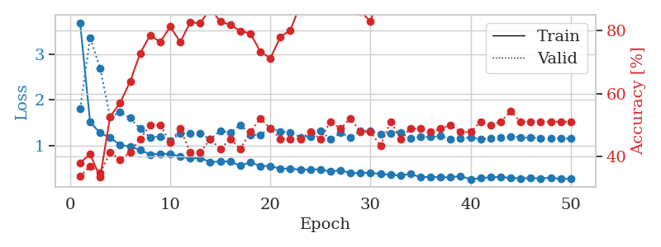
1.2144480192 | 2.4720307744 | 0.35869565217 | 0.32608695652 | 0.081036329269 | 35.869565217 | 32.608695652
1.1075496829 | 1.815482378 | 0.4375 | 0.39130434783 | 0.080859422684 | 43.75 | 39.130434783
1.0573002981 | 1.5902619984 | 0.53804347826 | 0.44565217391 | 0.081144094467 | 53.804347826 | 44.565217391
0.93977622623 | 1.6641502329 | 0.5652173913 | 0.41304347826 | 0.080782413483 | 56.52173913 | 41.304347826
0.88273333467 | 1.5164859139 | 0.64673913043 | 0.41304347826 | 0.080803871155 | 64.673913043 | 41.304347826
0.912815519 | 1.358517937 | 0.71739130435 | 0.46739130435 | 0.08091711998 | 71.739130435 | 46.739130435
0.83762798361 | 1.242511573 | 0.73369565217 | 0.45652173913 | 0.081140995026 | 73.369565217 | 45.652173913
0.80009045031 | 1.3336757421 | 0.75543478261 | 0.44565217391 | 0.080903768539 | 75.543478261 | 44.565217391
0.73218255846 | 1.1884379024 | 0.8152173913 | 0.48913043478 | 0.080866575241 | 81.52173913 | 48.913043478
0.65571325888 | 1.3530037248 | 0.75543478261 | 0.48913043478 | 0.08381152153 | 75.543478261 | 48.913043478
0.63937897268 | 1.6752225057 | 0.69565217391 | 0.46739130435 | 0.08146905899 | 69.565217391 | 46.739130435
0.68530399903 | 1.1731204676 | 0.85869565217 | 0.55434782609 | 0.081284046173 | 85.869565217 | 55.434782609
0.57375174761 | 1.410951477 | 0.78260869565 | 0.51086956522 | 0.081289291382 | 78.260869565 | 51.086956522
0.55485365119 | 1.1308711249 | 0.89945652174 | 0.55434782609 | 0.081177949905 | 89.945652174 | 55.434782609
0.55932942292 | 1.3063538023 | 0.91304347826 | 0.52173913043 | 0.081227064133 | 91.304347826 | 52.173913043
0.51548914287 | 1.2537654431 | 0.91576086957 | 0.5652173913 | 0.080950498581 | 91.576086957 | 56.52173913
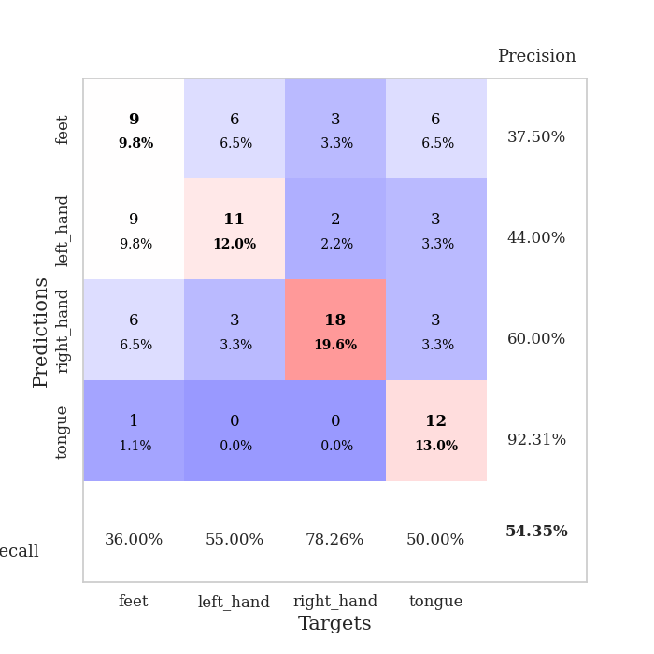
0.51967084408 | 1.3438075988 | 0.89130434783 | 0.53260869565 | 0.08195233345 | 89.130434783 | 53.260869565
0.48596552079 | 1.35800995 | 0.875 | 0.5652173913 | 0.081331968307 | 87.5 | 56.52173913
0.51291775768 | 1.4269398865 | 0.83423913043 | 0.5 | 0.081535816193 | 83.423913043 | 50
0.43628986569 | 1.4478034299 | 0.84782608696 | 0.48913043478 | 0.081508874893 | 84.782608696 | 48.913043478
0.41945780231 | 1.508631048 | 0.84782608696 | 0.44565217391 | 0.081488847733 | 84.782608696 | 44.565217391
0.38476482682 | 1.4861835138 | 0.85326086957 | 0.51086956522 | 0.081427574158 | 85.326086957 | 51.086956522
0.36576893472 | 1.6407904988 | 0.82880434783 | 0.42391304348 | 0.081248283386 | 82.880434783 | 42.391304348
0.39626661073 | 1.6510146545 | 0.81793478261 | 0.4347826087 | 0.081231117249 | 81.793478261 | 43.47826087
0.40859543176 | 1.3886768947 | 0.89945652174 | 0.52173913043 | 0.08118724823 | 89.945652174 | 52.173913043
0.38665839155 | 1.6725498334 | 0.8125 | 0.41304347826 | 0.081573724747 | 81.25 | 41.304347826
0.33354326046 | 1.7364928878 | 0.79891304348 | 0.45652173913 | 0.081305027008 | 79.891304348 | 45.652173913
0.35325103383 | 1.4931442401 | 0.86141304348 | 0.5 | 0.081374168396 | 86.141304348 | 50
0.327773882 | 1.5401691302 | 0.89673913043 | 0.48913043478 | 0.08113861084 | 89.673913043 | 48.913043478
0.28237157866 | 1.6555622894 | 0.84782608696 | 0.46739130435 | 0.081167459488 | 84.782608696 | 46.739130435
0.29696008984 | 1.6837645588 | 0.83152173913 | 0.45652173913 | 0.081179618835 | 83.152173913 | 45.652173913
0.28238779938 | 1.6562375426 | 0.84239130435 | 0.52173913043 | 0.08100605011 | 84.239130435 | 52.173913043
0.28523172341 | 1.6317332491 | 0.86141304348 | 0.47826086957 | 0.081407546997 | 86.141304348 | 47.826086957
0.25298750109 | 1.6597313181 | 0.86413043478 | 0.53260869565 | 0.081072092056 | 86.413043478 | 53.260869565
0.27688400739 | 1.5931225445 | 0.86684782609 | 0.5 | 0.081300497055 | 86.684782609 | 50
0.26778083683 | 1.673970492 | 0.83695652174 | 0.48913043478 | 0.081180810928 | 83.695652174 | 48.913043478
0.29032311653 | 1.6540538099 | 0.84510869565 | 0.46739130435 | 0.081038236618 | 84.510869565 | 46.739130435
0.29045082402 | 1.6187003721 | 0.84510869565 | 0.48913043478 | 0.081251859665 | 84.510869565 | 48.913043478
0.26992875111 | 1.5898785669 | 0.85326086957 | 0.51086956522 | 0.081228494644 | 85.326086957 | 51.086956522
0.28210394246 | 1.5520404344 | 0.875 | 0.54347826087 | 0.081508874893 | 87.5 | 54.347826087
0.25832042584 | 1.5896060907 | 0.86956521739 | 0.51086956522 | 0.081187486649 | 86.956521739 | 51.086956522
0.24033192772 | 1.5837954464 | 0.86956521739 | 0.51086956522 | 0.081310749054 | 86.956521739 | 51.086956522
0.2606809745 | 1.5573726115 | 0.8777173913 | 0.51086956522 | 0.081295490265 | 87.77173913 | 51.086956522
0.25032251814 | 1.5606748021 | 0.8777173913 | 0.52173913043 | 0.081426382065 | 87.77173913 | 52.173913043
0.29305827942 | 1.5542693371 | 0.8777173913 | 0.52173913043 | 0.081298589706 | 87.77173913 | 52.173913043
0.24115009638 | 1.5479273174 | 0.88043478261 | 0.52173913043 | 0.081508159637 | 88.043478261 | 52.173913043
0.2710028281 | 1.5422791061 | 0.88315217391 | 0.51086956522 | 0.081385374069 | 88.315217391 | 51.086956522
0.23560919451 | 1.5364566497 | 0.88315217391 | 0.51086956522 | 0.081396102905 | 88.315217391 | 51.086956522

Best Val accuracy is 0.5652173913043478 and Best test accuracy is 0.47413793103448276
train_loss | valid_loss | train_accuracy | valid_accuracy | dur | train_misclass | valid_misclass
1.917358782 | 1.4069888955 | 0.2527173913 | 0.26086956522 | 0.20808458328 | 25.27173913 | 26.086956522
1.2286526587 | 1.4065650183 | 0.2527173913 | 0.26086956522 | 0.2126390934 | 25.27173913 | 26.086956522
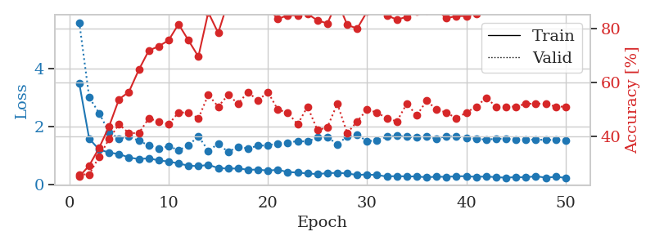
1.2170005544 | 1.5060598539 | 0.25543478261 | 0.21739130435 | 0.2089369297 | 25.543478261 | 21.739130435
1.2241065917 | 1.7164995929 | 0.25543478261 | 0.21739130435 | 0.21055054665 | 25.543478261 | 21.739130435
1.2037346078 | 1.9509907546 | 0.25543478261 | 0.21739130435 | 0.21073818207 | 25.543478261 | 21.739130435
1.184877165 | 2.0887161027 | 0.25543478261 | 0.21739130435 | 0.2045249939 | 25.543478261 | 21.739130435
1.2329274416 | 2.4383387877 | 0.25543478261 | 0.21739130435 | 0.2095246315 | 25.543478261 | 21.739130435
1.1059553442 | 2.5612213819 | 0.25543478261 | 0.21739130435 | 0.21039533615 | 25.543478261 | 21.739130435
1.2171651436 | 2.2196488484 | 0.25543478261 | 0.21739130435 | 0.20980620384 | 25.543478261 | 21.739130435
1.1394435582 | 2.8947000504 | 0.25543478261 | 0.21739130435 | 0.20943021774 | 25.543478261 | 21.739130435
1.1242385222 | 3.6419955129 | 0.25543478261 | 0.21739130435 | 0.21022105217 | 25.543478261 | 21.739130435
1.2561321595 | 2.8625943868 | 0.25543478261 | 0.21739130435 | 0.20906686783 | 25.543478261 | 21.739130435
1.0876738714 | 2.6605961945 | 0.25543478261 | 0.21739130435 | 0.21137690544 | 25.543478261 | 21.739130435
1.037152381 | 2.9739636546 | 0.25543478261 | 0.21739130435 | 0.2098968029 | 25.543478261 | 21.739130435
1.1876460055 | 2.8786086518 | 0.25543478261 | 0.21739130435 | 0.21209073067 | 25.543478261 | 21.739130435
1.0954323255 | 2.5178700945 | 0.25543478261 | 0.21739130435 | 0.20986557007 | 25.543478261 | 21.739130435
1.0044551803 | 3.3452959579 | 0.25543478261 | 0.21739130435 | 0.20936441422 | 25.543478261 | 21.739130435
1.1350310756 | 2.7369802827 | 0.25543478261 | 0.21739130435 | 0.21347856522 | 25.543478261 | 21.739130435
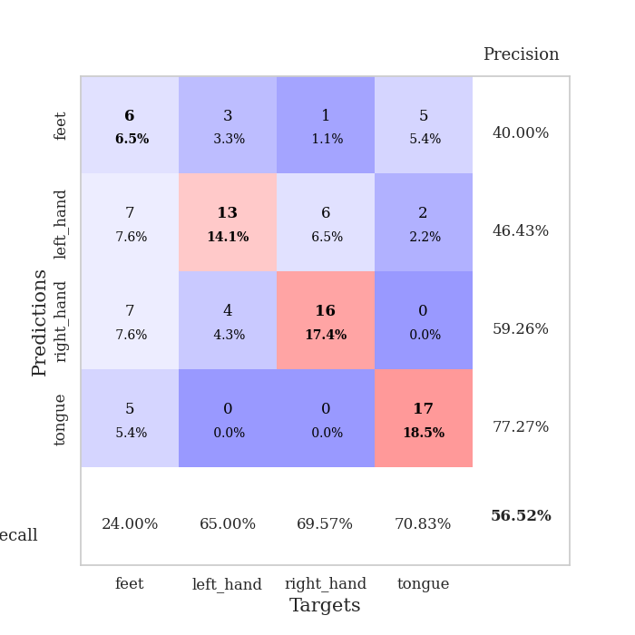
1.0512438287 | 3.1961719782 | 0.25543478261 | 0.21739130435 | 0.2114071846 | 25.543478261 | 21.739130435
1.0578957304 | 3.3617306585 | 0.25543478261 | 0.21739130435 | 0.20580029488 | 25.543478261 | 21.739130435
1.0226633523 | 3.7121558915 | 0.25543478261 | 0.21739130435 | 0.21026015282 | 25.543478261 | 21.739130435
1.0403018127 | 2.9643770197 | 0.25543478261 | 0.21739130435 | 0.21042180061 | 25.543478261 | 21.739130435
0.97423357549 | 2.2019875464 | 0.25543478261 | 0.21739130435 | 0.21003746986 | 25.543478261 | 21.739130435
0.96166836697 | 1.5129378619 | 0.25543478261 | 0.21739130435 | 0.2105576992 | 25.543478261 | 21.739130435
1.0018779506 | 1.1426992987 | 0.75 | 0.75 | 0.20887637138 | 75 | 75
1.0627946154 | 1.1678921399 | 0.24184782609 | 0.27173913043 | 0.2123029232 | 24.184782609 | 27.173913043
1.0085825143 | 1.5522819602 | 0.2527173913 | 0.26086956522 | 0.21202492714 | 25.27173913 | 26.086956522
1.0323977781 | 2.9666730217 | 0.2527173913 | 0.26086956522 | 0.21009254456 | 25.27173913 | 26.086956522
0.95111452237 | 1.8484493287 | 0.2527173913 | 0.26086956522 | 0.20892071724 | 25.27173913 | 26.086956522
1.0352573187 | 1.9185636406 | 0.2527173913 | 0.26086956522 | 0.20900416374 | 25.27173913 | 26.086956522
0.94886668869 | 4.1243429495 | 0.2527173913 | 0.26086956522 | 0.20668673515 | 25.27173913 | 26.086956522
0.97893535832 | 7.1458945689 | 0.2527173913 | 0.26086956522 | 0.21179771423 | 25.27173913 | 26.086956522
1.0004900927 | 7.4527636611 | 0.2527173913 | 0.26086956522 | 0.21270751953 | 25.27173913 | 26.086956522
0.94236439726 | 6.3000569344 | 0.2527173913 | 0.26086956522 | 0.21206116676 | 25.27173913 | 26.086956522
0.99947315714 | 6.2115412795 | 0.2527173913 | 0.26086956522 | 0.21281385422 | 25.27173913 | 26.086956522
0.93706120875 | 2.9444025599 | 0.2527173913 | 0.26086956522 | 0.2103562355 | 25.27173913 | 26.086956522
0.96699549323 | 1.2786759086 | 0.2527173913 | 0.26086956522 | 0.21070027351 | 25.27173913 | 26.086956522
0.97763817984 | 1.2569249765 | 0.2527173913 | 0.26086956522 | 0.2092320919 | 25.27173913 | 26.086956522
0.93621362551 | 1.0436318439 | 0.50543478261 | 0.46739130435 | 0.20902252197 | 50.543478261 | 46.739130435
0.86092051475 | 0.94888670807 | 0.75 | 0.75 | 0.20873475075 | 75 | 75
0.85887655745 | 0.95556717334 | 0.50815217391 | 0.47826086957 | 0.21067285538 | 50.815217391 | 47.826086957
0.96662802541 | 1.1117077962 | 0.2527173913 | 0.26086956522 | 0.20891237259 | 25.27173913 | 26.086956522
0.85067830397 | 1.016655103 | 0.49456521739 | 0.53260869565 | 0.20901322365 | 49.456521739 | 53.260869565
0.87995676632 | 0.91507194612 | 0.55706521739 | 0.5 | 0.21238589287 | 55.706521739 | 50
0.91841861476 | 0.96391309344 | 0.25543478261 | 0.21739130435 | 0.21300125122 | 25.543478261 | 21.739130435
0.97862957094 | 1.105833038 | 0.25543478261 | 0.21739130435 | 0.20803618431 | 25.543478261 | 21.739130435
0.8632444221 | 1.1832739322 | 0.25543478261 | 0.21739130435 | 0.21251392365 | 25.543478261 | 21.739130435
1.0258674466 | 1.1148912907 | 0.25543478261 | 0.21739130435 | 0.21150279045 | 25.543478261 | 21.739130435
0.97858941296 | 1.1701108165 | 0.25543478261 | 0.21739130435 | 0.21082663536 | 25.543478261 | 21.739130435
0.92793338195 | 1.2561122956 | 0.25543478261 | 0.21739130435 | 0.21408724785 | 25.543478261 | 21.739130435

Best Val accuracy is 0.75 and Best test accuracy is 0.75

Sheet4
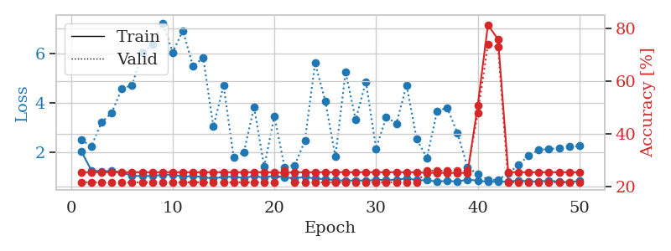
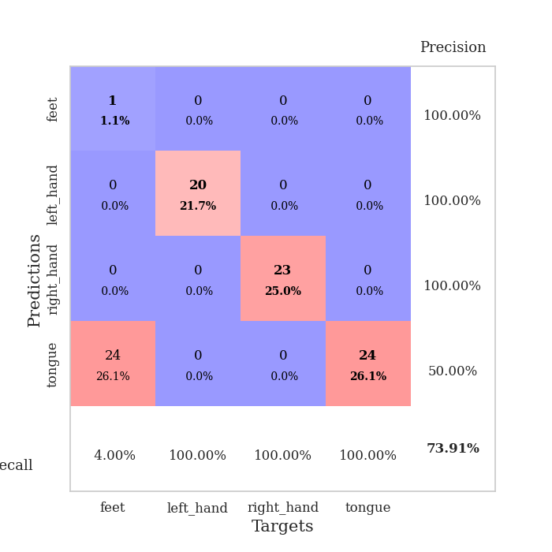
train_loss | valid_loss | train_accuracy | valid_accuracy | dur | train_misclass | valid_misclass
2.9711460082 | 3.858296612 | 0.25815217391 | 0.27173913043 | 0.086684703827 | 25.815217391 | 27.173913043
1.5383407474 | 2.8632594088 | 0.2527173913 | 0.26086956522 | 0.083139419556 | 25.27173913 | 26.086956522
1.2415351997 | 1.9678559096 | 0.28260869565 | 0.29347826087 | 0.083231210709 | 28.260869565 | 29.347826087
1.084184403 | 1.6186561792 | 0.48913043478 | 0.36956521739 | 0.083220720291 | 48.913043478 | 36.956521739
1.0181796965 | 1.2023424947 | 0.63858695652 | 0.5 | 0.083290338516 | 63.858695652 | 50
0.99860046221 | 1.4468428363 | 0.63043478261 | 0.45652173913 | 0.083143949509 | 63.043478261 | 45.652173913
0.93354152726 | 1.5953840847 | 0.58695652174 | 0.44565217391 | 0.083162546158 | 58.695652174 | 44.565217391
0.89516863875 | 1.0907551698 | 0.77989130435 | 0.48913043478 | 0.087821006775 | 77.989130435 | 48.913043478
0.76220160204 | 1.1832062239 | 0.77717391304 | 0.44565217391 | 0.082962989807 | 77.717391304 | 44.565217391
0.74649081282 | 1.084133384 | 0.80706521739 | 0.47826086957 | 0.082938432693 | 80.706521739 | 47.826086957
0.69965414897 | 1.0746106246 | 0.85869565217 | 0.53260869565 | 0.082915306091 | 85.869565217 | 53.260869565
0.63327009004 | 1.5943976693 | 0.6902173913 | 0.42391304348 | 0.082953691483 | 69.02173913 | 42.391304348
0.65859029734 | 1.3646274805 | 0.77445652174 | 0.53260869565 | 0.082909584045 | 77.445652174 | 53.260869565
0.59804729146 | 1.0896631376 | 0.84782608696 | 0.52173913043 | 0.082993507385 | 84.782608696 | 52.173913043
0.58234627351 | 1.2618279379 | 0.83695652174 | 0.46739130435 | 0.086061477661 | 83.695652174 | 46.739130435
0.48404071383 | 1.3748085473 | 0.77989130435 | 0.45652173913 | 0.083924293518 | 77.989130435 | 45.652173913
0.47205327386 | 1.6105078148 | 0.73097826087 | 0.45652173913 | 0.083555221558 | 73.097826087 | 45.652173913
0.46154478063 | 1.3789707915 | 0.79347826087 | 0.51086956522 | 0.08402132988 | 79.347826087 | 51.086956522
0.47107537026 | 1.1408028525 | 0.85054347826 | 0.55434782609 | 0.083692312241 | 85.054347826 | 55.434782609
0.38366401487 | 1.2920966148 | 0.88043478261 | 0.46739130435 | 0.083510398865 | 88.043478261 | 46.739130435
0.42616452536 | 1.1465082713 | 0.89945652174 | 0.53260869565 | 0.083714723587 | 89.945652174 | 53.260869565
0.39233317971 | 1.1427010168 | 0.9375 | 0.57608695652 | 0.083599328995 | 93.75 | 57.608695652
0.35465351622 | 1.0857065761 | 0.96195652174 | 0.5652173913 | 0.083736181259 | 96.195652174 | 56.52173913
0.30276092498 | 1.0693237185 | 0.94293478261 | 0.5652173913 | 0.083621501923 | 94.293478261 | 56.52173913
0.33281575856 | 1.0863784059 | 0.93206521739 | 0.5652173913 | 0.083936691284 | 93.206521739 | 56.52173913
0.2675378491 | 1.1261415663 | 0.92119565217 | 0.59782608696 | 0.083816289902 | 92.119565217 | 59.782608696
0.27267775944 | 1.1498825421 | 0.9375 | 0.5652173913 | 0.084108829498 | 93.75 | 56.52173913
0.27646274946 | 1.3514538537 | 0.875 | 0.55434782609 | 0.083639144897 | 87.5 | 55.434782609
0.32184173102 | 1.0533403599 | 0.95380434783 | 0.59782608696 | 0.083679676056 | 95.380434783 | 59.782608696
0.28729504282 | 1.0886436727 | 0.95108695652 | 0.60869565217 | 0.083683729172 | 95.108695652 | 60.869565217
0.25776216291 | 1.0690160316 | 0.95380434783 | 0.60869565217 | 0.084286689758 | 95.380434783 | 60.869565217
0.23883938336 | 1.0956140109 | 0.9375 | 0.57608695652 | 0.083538770676 | 93.75 | 57.608695652
0.21566700757 | 1.0020164692 | 0.95923913043 | 0.57608695652 | 0.083438396454 | 95.923913043 | 57.608695652
0.23833018282 | 1.141963627 | 0.94836956522 | 0.58695652174 | 0.083646297455 | 94.836956522 | 58.695652174
0.22106288568 | 1.1462103413 | 0.94565217391 | 0.58695652174 | 0.083292961121 | 94.565217391 | 58.695652174
0.20003578229 | 1.1873892701 | 0.92934782609 | 0.5652173913 | 0.083721637726 | 92.934782609 | 56.52173913
0.1883654013 | 1.1445943713 | 0.94293478261 | 0.57608695652 | 0.083667039871 | 94.293478261 | 57.608695652
0.19588983124 | 1.0838800539 | 0.96467391304 | 0.59782608696 | 0.083555936813 | 96.467391304 | 59.782608696
0.19964044946 | 1.133186869 | 0.94565217391 | 0.58695652174 | 0.083558082581 | 94.565217391 | 58.695652174
0.21901795009 | 1.0314319497 | 0.95380434783 | 0.59782608696 | 0.083549976349 | 95.380434783 | 59.782608696
0.16206573938 | 1.021832194 | 0.95380434783 | 0.59782608696 | 0.089136123657 | 95.380434783 | 59.782608696
0.19735868324 | 1.0727190298 | 0.95923913043 | 0.58695652174 | 0.084277629852 | 95.923913043 | 58.695652174
0.14756240477 | 1.0620634608 | 0.95652173913 | 0.59782608696 | 0.083822011948 | 95.652173913 | 59.782608696
0.21518650319 | 1.0590100159 | 0.95652173913 | 0.57608695652 | 0.083648920059 | 95.652173913 | 57.608695652
0.1880838411 | 1.0501093839 | 0.96195652174 | 0.57608695652 | 0.083651065826 | 96.195652174 | 57.608695652
0.20166032859 | 1.046051637 | 0.96739130435 | 0.58695652174 | 0.084035634995 | 96.739130435 | 58.695652174
0.20730790382 | 1.0395914083 | 0.97010869565 | 0.60869565217 | 0.083542585373 | 97.010869565 | 60.869565217
0.17753566024 | 1.0361575407 | 0.97282608696 | 0.61956521739 | 0.083641052246 | 97.282608696 | 61.956521739
0.15667569492 | 1.0335532505 | 0.97282608696 | 0.61956521739 | 0.083817005157 | 97.282608696 | 61.956521739
0.21172221912 | 1.0319316854 | 0.97282608696 | 0.61956521739 | 0.083552360535 | 97.282608696 | 61.956521739

Best Val accuracy is 0.6195652173913043 and Best test accuracy is 0.603448275862069
train_loss | valid_loss | train_accuracy | valid_accuracy | dur | train_misclass | valid_misclass
2.8619381811 | 3.520527425 | 0.25543478261 | 0.27173913043 | 0.084437608719 | 25.543478261 | 27.173913043
1.4706226224 | 2.6396090362 | 0.29619565217 | 0.28260869565 | 0.081375837326 | 29.619565217 | 28.260869565
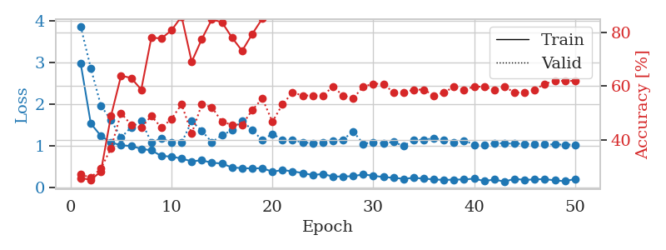
1.281443202 | 2.1200092668 | 0.3097826087 | 0.27173913043 | 0.080981731415 | 30.97826087 | 27.173913043
1.1545106561 | 1.603558841 | 0.42119565217 | 0.36956521739 | 0.080803155899 | 42.119565217 | 36.956521739
1.0432550311 | 2.0132875132 | 0.4402173913 | 0.36956521739 | 0.080912590027 | 44.02173913 | 36.956521739
1.0090688908 | 1.4649840697 | 0.6222826087 | 0.44565217391 | 0.080569028854 | 62.22826087 | 44.565217391
0.8878205289 | 1.3575895299 | 0.67934782609 | 0.44565217391 | 0.080864667892 | 67.934782609 | 44.565217391
0.82814939514 | 1.1339215144 | 0.75 | 0.5 | 0.080742835999 | 75 | 50
0.78579784995 | 1.1155312165 | 0.8097826087 | 0.59782608696 | 0.080833673477 | 80.97826087 | 59.782608696
0.63377477682 | 1.2764526087 | 0.76630434783 | 0.52173913043 | 0.080810070038 | 76.630434783 | 52.173913043
0.59372036483 | 1.1506425661 | 0.82880434783 | 0.51086956522 | 0.080994606018 | 82.880434783 | 51.086956522
0.55656935469 | 1.1353280648 | 0.85326086957 | 0.57608695652 | 0.081185102463 | 85.326086957 | 57.608695652
0.58166174331 | 1.1357171743 | 0.83695652174 | 0.59782608696 | 0.081164121628 | 83.695652174 | 59.782608696
0.47006963323 | 1.588533614 | 0.6847826087 | 0.52173913043 | 0.081026792526 | 68.47826087 | 52.173913043
0.48835470495 | 1.1359669229 | 0.76630434783 | 0.55434782609 | 0.081165790558 | 76.630434783 | 55.434782609
0.5116061659 | 1.3410560463 | 0.77989130435 | 0.53260869565 | 0.081093072891 | 77.989130435 | 53.260869565
0.44485410854 | 1.2245997372 | 0.79076086957 | 0.59782608696 | 0.084242105484 | 79.076086957 | 59.782608696
0.42241024194 | 1.4471371692 | 0.76902173913 | 0.53260869565 | 0.08097076416 | 76.902173913 | 53.260869565
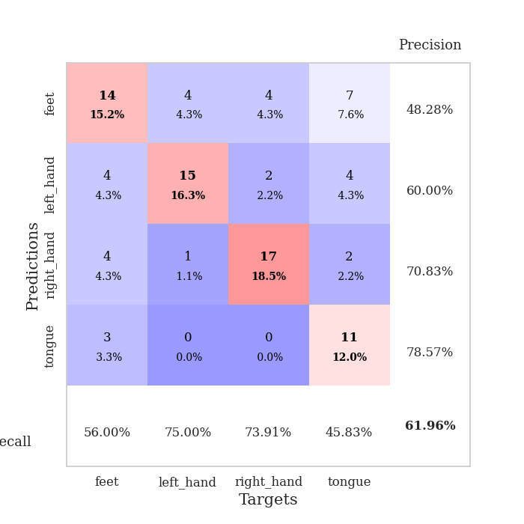
0.39651702733 | 1.393761018 | 0.76358695652 | 0.53260869565 | 0.080979347229 | 76.358695652 | 53.260869565
0.3363419525 | 1.5156553258 | 0.73369565217 | 0.54347826087 | 0.080897092819 | 73.369565217 | 54.347826087
0.36160439318 | 1.2664661045 | 0.86141304348 | 0.54347826087 | 0.0814204216 | 86.141304348 | 54.347826087
0.38166948699 | 1.4755865491 | 0.72282608696 | 0.5 | 0.081100463867 | 72.282608696 | 50
0.32516474439 | 1.6048421601 | 0.72554347826 | 0.51086956522 | 0.081082582474 | 72.554347826 | 51.086956522
0.32309044768 | 1.3933403751 | 0.8152173913 | 0.52173913043 | 0.081115007401 | 81.52173913 | 52.173913043
0.25817329728 | 1.1180987695 | 0.8722826087 | 0.65217391304 | 0.081232786179 | 87.22826087 | 65.217391304
0.25769004161 | 1.2948361998 | 0.80706521739 | 0.54347826087 | 0.081258296967 | 80.706521739 | 54.347826087
0.2756279315 | 1.3343926694 | 0.8125 | 0.55434782609 | 0.081117153168 | 81.25 | 55.434782609
0.23871521684 | 1.2677782593 | 0.82065217391 | 0.5652173913 | 0.080913543701 | 82.065217391 | 56.52173913
0.26565344696 | 1.215938905 | 0.82065217391 | 0.59782608696 | 0.080912351608 | 82.065217391 | 59.782608696
0.26030689089 | 1.1910614475 | 0.83695652174 | 0.57608695652 | 0.081392049789 | 83.695652174 | 57.608695652
0.25986734405 | 1.0634440235 | 0.89402173913 | 0.66304347826 | 0.080998659134 | 89.402173913 | 66.304347826
0.21076888364 | 1.1905695796 | 0.83695652174 | 0.59782608696 | 0.081290483475 | 83.695652174 | 59.782608696
0.22633363825 | 1.0117299971 | 0.89130434783 | 0.65217391304 | 0.081148862839 | 89.130434783 | 65.217391304
0.20533183784 | 1.0404896866 | 0.88315217391 | 0.65217391304 | 0.081311941147 | 88.315217391 | 65.217391304
0.17649580036 | 1.094052307 | 0.88315217391 | 0.61956521739 | 0.081105232239 | 88.315217391 | 61.956521739
0.17316555653 | 1.1191086743 | 0.875 | 0.61956521739 | 0.081152677536 | 87.5 | 61.956521739
0.17531991037 | 1.1670527847 | 0.875 | 0.63043478261 | 0.081307411194 | 87.5 | 63.043478261
0.17889863605 | 1.1113139469 | 0.88586956522 | 0.66304347826 | 0.080991029739 | 88.586956522 | 66.304347826
0.19468362872 | 1.0920704474 | 0.89945652174 | 0.63043478261 | 0.081067800522 | 89.945652174 | 63.043478261
0.17194839858 | 1.0332998815 | 0.90217391304 | 0.64130434783 | 0.081054210663 | 90.217391304 | 64.130434783
0.16791152282 | 1.0693895117 | 0.89673913043 | 0.63043478261 | 0.080969333649 | 89.673913043 | 63.043478261
0.18384028048 | 1.0355830892 | 0.91304347826 | 0.65217391304 | 0.081203222275 | 91.304347826 | 65.217391304
0.15898687247 | 1.0672806009 | 0.90489130435 | 0.64130434783 | 0.081122159958 | 90.489130435 | 64.130434783
0.13427851738 | 1.0580642923 | 0.91032608696 | 0.65217391304 | 0.08126950264 | 91.032608696 | 65.217391304
0.15392478264 | 1.0420188386 | 0.91576086957 | 0.66304347826 | 0.081198215485 | 91.576086957 | 66.304347826
0.15724548527 | 1.0207063711 | 0.91576086957 | 0.67391304348 | 0.081123828888 | 91.576086957 | 67.391304348
0.18533395522 | 1.0142444709 | 0.91847826087 | 0.67391304348 | 0.081488132477 | 91.847826087 | 67.391304348
0.14386171686 | 1.0036451169 | 0.92119565217 | 0.67391304348 | 0.081176519394 | 92.119565217 | 67.391304348
0.15661893793 | 0.99389895667 | 0.92391304348 | 0.67391304348 | 0.081104516983 | 92.391304348 | 67.391304348
0.15586453547 | 0.98752483337 | 0.92391304348 | 0.67391304348 | 0.081100225449 | 92.391304348 | 67.391304348

Best Val accuracy is 0.6739130434782609 and Best test accuracy is 0.7241379310344828
train_loss | valid_loss | train_accuracy | valid_accuracy | dur | train_misclass | valid_misclass
2.0476794865 | 2.4952118811 | 0.25543478261 | 0.21739130435 | 0.20956301689 | 25.543478261 | 21.739130435
1.2686492645 | 2.247940022 | 0.25543478261 | 0.21739130435 | 0.21364927292 | 25.543478261 | 21.739130435
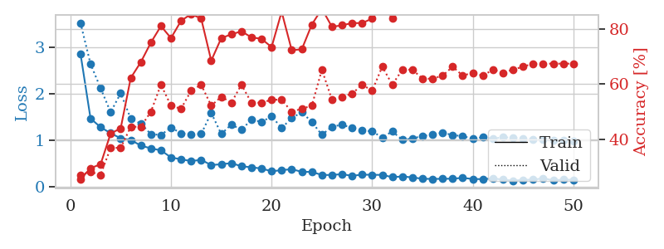
1.2340466069 | 3.2075074963 | 0.25543478261 | 0.21739130435 | 0.21110892296 | 25.543478261 | 21.739130435
1.2488999315 | 3.5902720016 | 0.25543478261 | 0.21739130435 | 0.21349430084 | 25.543478261 | 21.739130435
1.1890611234 | 4.5718843211 | 0.25543478261 | 0.21739130435 | 0.21352982521 | 25.543478261 | 21.739130435
1.0443088827 | 4.7039980474 | 0.25543478261 | 0.21739130435 | 0.20884656906 | 25.543478261 | 21.739130435
1.0441899714 | 6.0138703015 | 0.25543478261 | 0.21739130435 | 0.21189117432 | 25.543478261 | 21.739130435
1.0443784309 | 6.3475453957 | 0.25543478261 | 0.21739130435 | 0.2113878727 | 25.543478261 | 21.739130435
1.0934592304 | 7.215228371 | 0.25543478261 | 0.21739130435 | 0.2102856636 | 25.543478261 | 21.739130435
1.0951918908 | 6.0323140725 | 0.25543478261 | 0.21739130435 | 0.2094335556 | 25.543478261 | 21.739130435
1.0203198454 | 6.910646252 | 0.25543478261 | 0.21739130435 | 0.20934247971 | 25.543478261 | 21.739130435
1.0382345837 | 5.4682433709 | 0.25543478261 | 0.21739130435 | 0.21014666557 | 25.543478261 | 21.739130435
0.99982807947 | 5.8113427162 | 0.25543478261 | 0.21739130435 | 0.21025419235 | 25.543478261 | 21.739130435
0.94247268853 | 3.0299612439 | 0.25543478261 | 0.21739130435 | 0.20847058296 | 25.543478261 | 21.739130435
1.006252408 | 4.6947634946 | 0.25543478261 | 0.21739130435 | 0.21065425873 | 25.543478261 | 21.739130435
1.012685952 | 1.7836964649 | 0.25543478261 | 0.21739130435 | 0.212423563 | 25.543478261 | 21.739130435
0.96024864135 | 2.0003681235 | 0.25543478261 | 0.21739130435 | 0.21029925346 | 25.543478261 | 21.739130435
1.0433978231 | 3.8240524271 | 0.25543478261 | 0.21739130435 | 0.20958948135 | 25.543478261 | 21.739130435
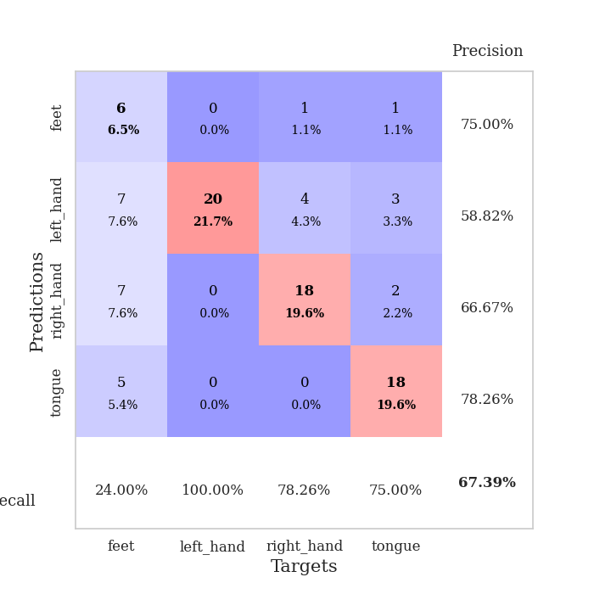
0.97190103583 | 1.4112879245 | 0.25543478261 | 0.21739130435 | 0.21102786064 | 25.543478261 | 21.739130435
1.0604853526 | 3.4673646429 | 0.25543478261 | 0.21739130435 | 0.21020078659 | 25.543478261 | 21.739130435
0.98994443987 | 1.3885956277 | 0.2527173913 | 0.26086956522 | 0.2118897438 | 25.27173913 | 26.086956522
0.95049194149 | 1.4758930154 | 0.25543478261 | 0.21739130435 | 0.21268796921 | 25.543478261 | 21.739130435
1.0043505197 | 2.4639243561 | 0.25543478261 | 0.21739130435 | 0.21370577812 | 25.543478261 | 21.739130435
0.9402922366 | 5.5996607283 | 0.25543478261 | 0.21739130435 | 0.20982384682 | 25.543478261 | 21.739130435
0.91644368483 | 4.07390949 | 0.25543478261 | 0.21739130435 | 0.20953822136 | 25.543478261 | 21.739130435
0.87186901725 | 1.8274874843 | 0.25543478261 | 0.21739130435 | 0.21301221848 | 25.543478261 | 21.739130435
0.85787779352 | 5.2408944213 | 0.25543478261 | 0.21739130435 | 0.20969295502 | 25.543478261 | 21.739130435
0.86408818546 | 3.3061011667 | 0.25543478261 | 0.21739130435 | 0.2089600563 | 25.543478261 | 21.739130435
0.85945683977 | 4.8515904468 | 0.25543478261 | 0.21739130435 | 0.21142148972 | 25.543478261 | 21.739130435
0.87967835561 | 2.1489458395 | 0.25543478261 | 0.21739130435 | 0.20921254158 | 25.543478261 | 21.739130435
0.88882320601 | 3.4199902597 | 0.25543478261 | 0.21739130435 | 0.20913243294 | 25.543478261 | 21.739130435
0.8881967275 | 3.1630975474 | 0.25543478261 | 0.21739130435 | 0.21059203148 | 25.543478261 | 21.739130435
0.95165363602 | 4.7047847043 | 0.25543478261 | 0.21739130435 | 0.21101331711 | 25.543478261 | 21.739130435
0.87401989491 | 2.5275030862 | 0.25543478261 | 0.21739130435 | 0.20932245255 | 25.543478261 | 21.739130435
0.86868512371 | 1.7713072663 | 0.2527173913 | 0.26086956522 | 0.20968389511 | 25.27173913 | 26.086956522
0.81949166241 | 3.6598849608 | 0.2527173913 | 0.26086956522 | 0.20970702171 | 25.27173913 | 26.086956522
0.84572564001 | 3.7947435068 | 0.2527173913 | 0.26086956522 | 0.20846247673 | 25.27173913 | 26.086956522
0.8179770423 | 2.7748121904 | 0.2527173913 | 0.26086956522 | 0.21079039574 | 25.27173913 | 26.086956522
0.9009495857 | 1.4049987067 | 0.2527173913 | 0.26086956522 | 0.209233284 | 25.27173913 | 26.086956522
0.85050387486 | 1.1074720621 | 0.50815217391 | 0.47826086957 | 0.21032905579 | 50.815217391 | 47.826086957
0.81324710017 | 0.89531240256 | 0.8125 | 0.73913043478 | 0.2137169838 | 81.25 | 73.913043478
0.80949113162 | 0.88641086609 | 0.75815217391 | 0.72826086957 | 0.21061730385 | 75.815217391 | 72.826086957
0.81590029209 | 1.1489583047 | 0.25543478261 | 0.21739130435 | 0.21198630333 | 25.543478261 | 21.739130435
0.86305014983 | 1.4834345786 | 0.25543478261 | 0.21739130435 | 0.228058815 | 25.543478261 | 21.739130435
0.82818708472 | 1.8681711684 | 0.25543478261 | 0.21739130435 | 0.21034526825 | 25.543478261 | 21.739130435
0.82163403863 | 2.0999169142 | 0.25543478261 | 0.21739130435 | 0.21016788483 | 25.543478261 | 21.739130435
0.85634954857 | 2.1333535754 | 0.25543478261 | 0.21739130435 | 0.2114379406 | 25.543478261 | 21.739130435
0.81236869356 | 2.1652651973 | 0.25543478261 | 0.21739130435 | 0.2086930275 | 25.543478261 | 21.739130435
0.79304337761 | 2.2253016907 | 0.25543478261 | 0.21739130435 | 0.21091389656 | 25.543478261 | 21.739130435
0.84521457423 | 2.2542198326 | 0.25543478261 | 0.21739130435 | 0.21374559402 | 25.543478261 | 21.739130435

Best Val accuracy is 0.7391304347826086 and Best test accuracy is 0.7413793103448276

Sheet5
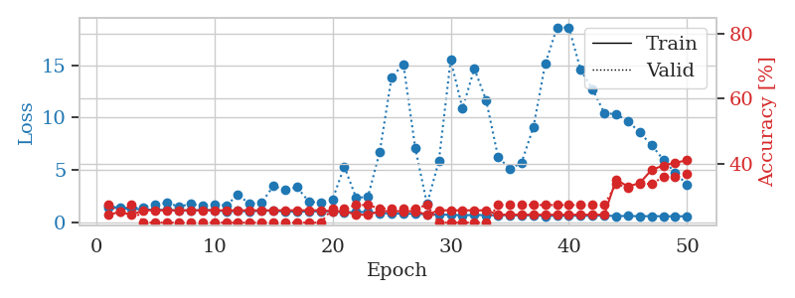
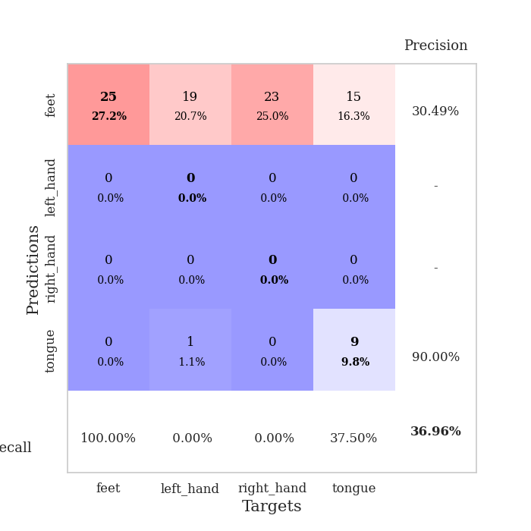
train_loss | valid_loss | train_accuracy | valid_accuracy | dur | train_misclass | valid_misclass
3.5545158334 | 3.8623950896 | 0.2527173913 | 0.26086956522 | 0.085409641266 | 25.27173913 | 26.086956522
1.5653207095 | 3.1531397052 | 0.32065217391 | 0.27173913043 | 0.083117961884 | 32.065217391 | 27.173913043
1.2936604567 | 2.228980054 | 0.32608695652 | 0.28260869565 | 0.083060026169 | 32.608695652 | 28.260869565
1.1078470919 | 1.23421145 | 0.66304347826 | 0.51086956522 | 0.083093643188 | 66.304347826 | 51.086956522
0.97673316624 | 1.2859995261 | 0.57065217391 | 0.45652173913 | 0.083184957504 | 57.065217391 | 45.652173913
0.91757473479 | 1.1886108595 | 0.64945652174 | 0.5 | 0.083164453506 | 64.945652174 | 50
0.84622955322 | 1.0929202411 | 0.75815217391 | 0.54347826087 | 0.083124160767 | 75.815217391 | 54.347826087
0.75987110708 | 1.0680451989 | 0.73641304348 | 0.42391304348 | 0.083149909973 | 73.641304348 | 42.391304348
0.77882417907 | 1.1647687917 | 0.83152173913 | 0.54347826087 | 0.083881616592 | 83.152173913 | 54.347826087
0.68999311587 | 1.1112740454 | 0.82880434783 | 0.57608695652 | 0.08514881134 | 82.880434783 | 57.608695652
0.68507632095 | 1.1001369668 | 0.88315217391 | 0.5652173913 | 0.084115028381 | 88.315217391 | 56.52173913
0.58305421731 | 0.91730731467 | 0.85597826087 | 0.57608695652 | 0.083638906479 | 85.597826087 | 57.608695652
0.67543391559 | 1.0570886161 | 0.90217391304 | 0.59782608696 | 0.083382368088 | 90.217391304 | 59.782608696
0.58063438664 | 1.0189372845 | 0.86956521739 | 0.58695652174 | 0.08358669281 | 86.956521739 | 58.695652174
0.52737417364 | 1.0766605631 | 0.86956521739 | 0.58695652174 | 0.083233833313 | 86.956521739 | 58.695652174
0.58137308126 | 1.042460242 | 0.91304347826 | 0.59782608696 | 0.083201885223 | 91.304347826 | 59.782608696
0.50902436609 | 1.1062687946 | 0.90489130435 | 0.53260869565 | 0.08364033699 | 90.489130435 | 53.260869565
0.40471443404 | 1.2073554656 | 0.83152173913 | 0.51086956522 | 0.083332061768 | 83.152173913 | 51.086956522
0.43687584284 | 1.1748375763 | 0.8722826087 | 0.57608695652 | 0.083515644073 | 87.22826087 | 57.608695652
0.43155621834 | 1.1920765794 | 0.77445652174 | 0.57608695652 | 0.083378314972 | 77.445652174 | 57.608695652
0.43928549698 | 1.1393838628 | 0.88315217391 | 0.59782608696 | 0.083204030991 | 88.315217391 | 59.782608696
0.43641673352 | 1.1725685596 | 0.83695652174 | 0.59782608696 | 0.083300352097 | 83.695652174 | 59.782608696
0.35065299402 | 1.0754449368 | 0.91304347826 | 0.59782608696 | 0.08340883255 | 91.304347826 | 59.782608696
0.3512777725 | 1.3250416103 | 0.81793478261 | 0.58695652174 | 0.083304405212 | 81.793478261 | 58.695652174
0.34027604824 | 1.0758241156 | 0.8777173913 | 0.60869565217 | 0.083365440369 | 87.77173913 | 60.869565217
0.4031018929 | 1.0796807927 | 0.91576086957 | 0.64130434783 | 0.083584785461 | 91.576086957 | 64.130434783
0.3368145208 | 1.0805562994 | 0.88858695652 | 0.63043478261 | 0.083763599396 | 88.858695652 | 63.043478261
0.35640023325 | 1.096429646 | 0.89673913043 | 0.65217391304 | 0.08354139328 | 89.673913043 | 65.217391304
0.27821626741 | 1.0500852569 | 0.89402173913 | 0.64130434783 | 0.083654165268 | 89.402173913 | 64.130434783
0.29073309348 | 1.1001013466 | 0.91576086957 | 0.61956521739 | 0.083485126495 | 91.576086957 | 61.956521739
0.30773052314 | 1.0803569218 | 0.89130434783 | 0.67391304348 | 0.083652496338 | 89.130434783 | 67.391304348
0.30067088374 | 1.1087339028 | 0.85597826087 | 0.63043478261 | 0.083940505981 | 85.597826087 | 63.043478261
0.27454170649 | 0.98838177712 | 0.92934782609 | 0.65217391304 | 0.083787441254 | 92.934782609 | 65.217391304
0.20017625586 | 1.0625469607 | 0.91847826087 | 0.64130434783 | 0.084127426147 | 91.847826087 | 64.130434783
0.2213734769 | 1.0800617182 | 0.93206521739 | 0.64130434783 | 0.083715438843 | 93.206521739 | 64.130434783
0.23716260072 | 1.1274922931 | 0.90217391304 | 0.64130434783 | 0.083791255951 | 90.217391304 | 64.130434783
0.30629007032 | 1.0549889025 | 0.94836956522 | 0.64130434783 | 0.083814382553 | 94.836956522 | 64.130434783
0.22731630148 | 1.0641233195 | 0.92663043478 | 0.63043478261 | 0.083848953247 | 92.663043478 | 63.043478261
0.24467327899 | 1.0527725738 | 0.94293478261 | 0.67391304348 | 0.083722114563 | 94.293478261 | 67.391304348
0.2622371546 | 1.0023331538 | 0.94836956522 | 0.65217391304 | 0.083585739136 | 94.836956522 | 65.217391304
0.25637448984 | 1.065851678 | 0.94565217391 | 0.64130434783 | 0.083765268326 | 94.565217391 | 64.130434783
0.25953957795 | 1.0793560381 | 0.94565217391 | 0.65217391304 | 0.083956241608 | 94.565217391 | 65.217391304
0.21412379359 | 1.0704460688 | 0.94293478261 | 0.65217391304 | 0.08398938179 | 94.293478261 | 65.217391304
0.22252452697 | 1.0538560022 | 0.94565217391 | 0.65217391304 | 0.083699703217 | 94.565217391 | 65.217391304
0.21354767421 | 1.0461330621 | 0.94836956522 | 0.65217391304 | 0.083946228027 | 94.836956522 | 65.217391304
0.23276741916 | 1.0417197917 | 0.95108695652 | 0.66304347826 | 0.083749771118 | 95.108695652 | 66.304347826
0.24446420841 | 1.0425463034 | 0.95108695652 | 0.66304347826 | 0.083778619766 | 95.108695652 | 66.304347826
0.19095984279 | 1.0396519562 | 0.95108695652 | 0.66304347826 | 0.083811998367 | 95.108695652 | 66.304347826
0.20190783509 | 1.0371708222 | 0.95108695652 | 0.66304347826 | 0.084208250046 | 95.108695652 | 66.304347826
0.20624031126 | 1.0349621773 | 0.95108695652 | 0.66304347826 | 0.083898305893 | 95.108695652 | 66.304347826

Best Val accuracy is 0.6739130434782609 and Best test accuracy is 0.5431034482758621
train_loss | valid_loss | train_accuracy | valid_accuracy | dur | train_misclass | valid_misclass
4.2058314033 | 20.616642579 | 0.26086956522 | 0.28260869565 | 0.08430147171 | 26.086956522 | 28.260869565
1.4641815865 | 8.4914075188 | 0.4347826087 | 0.36956521739 | 0.082226037979 | 43.47826087 | 36.956521739
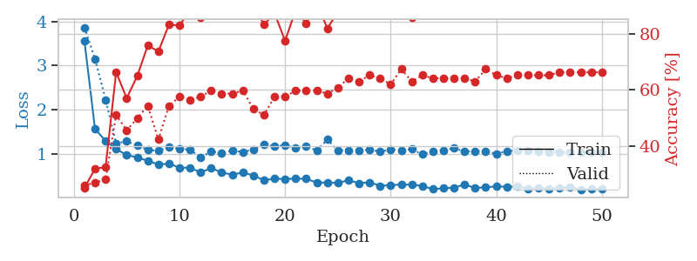
1.2139684973 | 4.7611265804 | 0.33423913043 | 0.26086956522 | 0.082222223282 | 33.423913043 | 26.086956522
1.0873061548 | 3.3469291874 | 0.38858695652 | 0.30434782609 | 0.081891298294 | 38.858695652 | 30.434782609
0.92580200019 | 1.8390228075 | 0.48641304348 | 0.38043478261 | 0.081912517548 | 48.641304348 | 38.043478261
0.86543209268 | 1.3512573294 | 0.55163043478 | 0.46739130435 | 0.082279682159 | 55.163043478 | 46.739130435
0.80865524644 | 1.1772683185 | 0.72554347826 | 0.58695652174 | 0.082218408585 | 72.554347826 | 58.695652174
0.78164717425 | 0.8329346776 | 0.84782608696 | 0.67391304348 | 0.082310199738 | 84.782608696 | 67.391304348
0.59368163995 | 0.81969442316 | 0.84782608696 | 0.70652173913 | 0.082695484161 | 84.782608696 | 70.652173913
0.60041968201 | 0.7886161869 | 0.85869565217 | 0.71739130435 | 0.082277059555 | 85.869565217 | 71.739130435
0.58311365674 | 0.98806138401 | 0.76630434783 | 0.57608695652 | 0.08253288269 | 76.630434783 | 57.608695652
0.59380245986 | 0.95860356611 | 0.88043478261 | 0.64130434783 | 0.082412004471 | 88.043478261 | 64.130434783
0.58517338206 | 0.96222943068 | 0.84782608696 | 0.5652173913 | 0.082370758057 | 84.782608696 | 56.52173913
0.51367224623 | 1.0700335218 | 0.80163043478 | 0.58695652174 | 0.082418680191 | 80.163043478 | 58.695652174
0.45978321848 | 1.1966476544 | 0.76630434783 | 0.55434782609 | 0.08247423172 | 76.630434783 | 55.434782609
0.39166352023 | 0.83740187598 | 0.86413043478 | 0.69565217391 | 0.082397222519 | 86.413043478 | 69.565217391
0.37001359851 | 0.93721596184 | 0.83967391304 | 0.64130434783 | 0.082363367081 | 83.967391304 | 64.130434783
0.34156593227 | 0.9956502137 | 0.83695652174 | 0.6847826087 | 0.082508325577 | 83.695652174 | 68.47826087
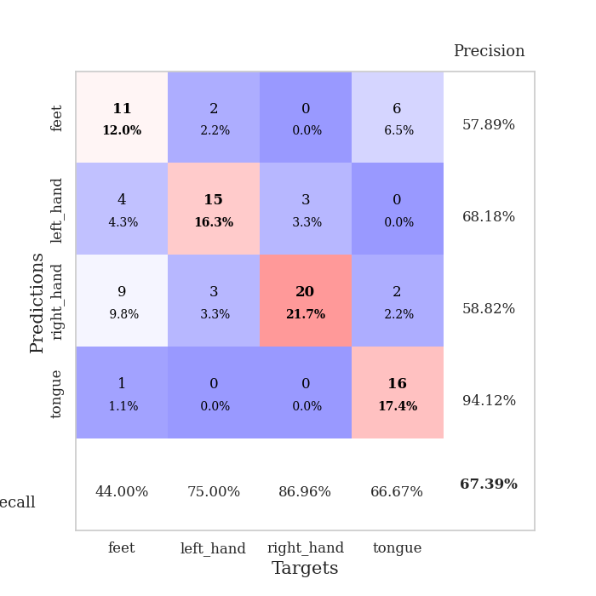
0.31564793606 | 0.74996921031 | 0.93206521739 | 0.72826086957 | 0.082536220551 | 93.206521739 | 72.826086957
0.38280970279 | 0.93022662401 | 0.86684782609 | 0.64130434783 | 0.082642793655 | 86.684782609 | 64.130434783
0.2925658064 | 0.95486290299 | 0.85869565217 | 0.66304347826 | 0.082506656647 | 85.869565217 | 66.304347826
0.37475466242 | 1.1669517108 | 0.79347826087 | 0.55434782609 | 0.082318544388 | 79.347826087 | 55.434782609
0.31011493763 | 1.0193723829 | 0.83423913043 | 0.60869565217 | 0.082416296005 | 83.423913043 | 60.869565217
0.33360204943 | 0.87167148098 | 0.8722826087 | 0.65217391304 | 0.082503080368 | 87.22826087 | 65.217391304
0.24878064835 | 0.7650093825 | 0.96195652174 | 0.67391304348 | 0.082616329193 | 96.195652174 | 67.391304348
0.31520229837 | 0.97002182059 | 0.86413043478 | 0.61956521739 | 0.08252286911 | 86.413043478 | 61.956521739
0.23698344632 | 1.060905428 | 0.84239130435 | 0.61956521739 | 0.084762334824 | 84.239130435 | 61.956521739
0.22505494774 | 0.78747835237 | 0.91576086957 | 0.66304347826 | 0.080790996552 | 91.576086957 | 66.304347826
0.20019408656 | 0.93532379296 | 0.89402173913 | 0.63043478261 | 0.080935955048 | 89.402173913 | 63.043478261
0.18954911229 | 1.0083929041 | 0.88043478261 | 0.64130434783 | 0.080979585648 | 88.043478261 | 64.130434783
0.24909568384 | 0.90372553597 | 0.91576086957 | 0.66304347826 | 0.081038236618 | 91.576086957 | 66.304347826
0.26264963169 | 0.93500933181 | 0.89945652174 | 0.65217391304 | 0.080873012543 | 89.945652174 | 65.217391304
0.21659888659 | 0.94751713069 | 0.89130434783 | 0.63043478261 | 0.080819129944 | 89.130434783 | 63.043478261
0.24252053642 | 0.93229963728 | 0.90760869565 | 0.66304347826 | 0.080914020538 | 90.760869565 | 66.304347826
0.17681550882 | 0.97621521483 | 0.88043478261 | 0.66304347826 | 0.080860853195 | 88.043478261 | 66.304347826
0.16165655969 | 0.86147972553 | 0.91576086957 | 0.67391304348 | 0.080904483795 | 91.576086957 | 67.391304348
0.14174613016 | 0.7873720138 | 0.94565217391 | 0.70652173913 | 0.080939292908 | 94.565217391 | 70.652173913
0.13024510492 | 0.83957063245 | 0.92934782609 | 0.6847826087 | 0.080904722214 | 92.934782609 | 68.47826087
0.16838201727 | 0.85424643237 | 0.92119565217 | 0.67391304348 | 0.081066131592 | 92.119565217 | 67.391304348
0.17264120686 | 0.85830774903 | 0.92934782609 | 0.67391304348 | 0.081248998642 | 92.934782609 | 67.391304348
0.18385749432 | 0.90385053469 | 0.92663043478 | 0.6847826087 | 0.081201791763 | 92.663043478 | 68.47826087
0.13361033303 | 0.87846603083 | 0.9347826087 | 0.67391304348 | 0.083104133606 | 93.47826087 | 67.391304348
0.14418632391 | 0.89569556454 | 0.92119565217 | 0.66304347826 | 0.082544565201 | 92.119565217 | 66.304347826
0.15504835959 | 0.8770974408 | 0.92934782609 | 0.66304347826 | 0.082370519638 | 92.934782609 | 66.304347826
0.1468359402 | 0.87068761691 | 0.9347826087 | 0.6847826087 | 0.082279205322 | 93.47826087 | 68.47826087
0.12785611407 | 0.86522810615 | 0.9375 | 0.6847826087 | 0.082676410675 | 93.75 | 68.47826087
0.16550033005 | 0.86562286253 | 0.9375 | 0.6847826087 | 0.082391738892 | 93.75 | 68.47826087
0.14623783756 | 0.86163164999 | 0.9375 | 0.69565217391 | 0.082540988922 | 93.75 | 69.565217391
0.1989078889 | 0.85882658285 | 0.9375 | 0.69565217391 | 0.08239197731 | 93.75 | 69.565217391
0.15550283229 | 0.85658007342 | 0.9375 | 0.69565217391 | 0.083658695221 | 93.75 | 69.565217391

Best Val accuracy is 0.7282608695652174 and Best test accuracy is 0.7155172413793104
train_loss | valid_loss | train_accuracy | valid_accuracy | dur | train_misclass | valid_misclass
1.6437351444 | 1.4257904395 | 0.24184782609 | 0.27173913043 | 0.2078537941 | 24.184782609 | 27.173913043
1.3326356255 | 1.400355054 | 0.25 | 0.25 | 0.21158337593 | 25 | 25
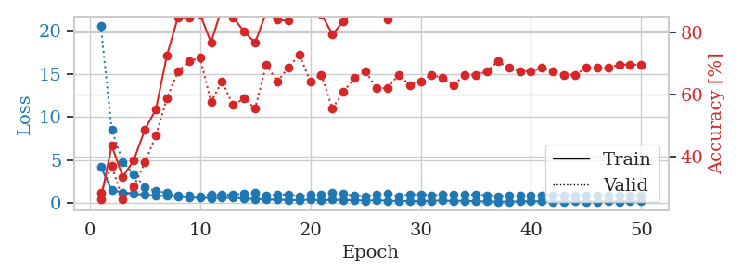
1.318725871 | 1.3877803813 | 0.24184782609 | 0.27173913043 | 0.21072506905 | 24.184782609 | 27.173913043
1.238061029 | 1.4553801754 | 0.25543478261 | 0.21739130435 | 0.2098031044 | 25.543478261 | 21.739130435
1.2093447965 | 1.709663417 | 0.25543478261 | 0.21739130435 | 0.20776486397 | 25.543478261 | 21.739130435
1.1887699651 | 1.8717748963 | 0.25543478261 | 0.21739130435 | 0.21032953262 | 25.543478261 | 21.739130435
1.1625000912 | 1.5188601743 | 0.25543478261 | 0.21739130435 | 0.20886588097 | 25.543478261 | 21.739130435
1.1484538291 | 1.7639105009 | 0.25543478261 | 0.21739130435 | 0.21024513245 | 25.543478261 | 21.739130435
1.1852971989 | 1.6111756978 | 0.25543478261 | 0.21739130435 | 0.21220755577 | 25.543478261 | 21.739130435
1.1781402619 | 1.7186881511 | 0.25543478261 | 0.21739130435 | 0.21166968346 | 25.543478261 | 21.739130435
1.0581356365 | 1.6249834195 | 0.25543478261 | 0.21739130435 | 0.21155834198 | 25.543478261 | 21.739130435
1.101018688 | 2.6364089821 | 0.25543478261 | 0.21739130435 | 0.20746684074 | 25.543478261 | 21.739130435
1.0412290226 | 1.7574751325 | 0.25543478261 | 0.21739130435 | 0.20936727524 | 25.543478261 | 21.739130435
1.12831067 | 1.8826959859 | 0.25543478261 | 0.21739130435 | 0.21187138557 | 25.543478261 | 21.739130435
1.1173955824 | 3.4832391428 | 0.25543478261 | 0.21739130435 | 0.20957541466 | 25.543478261 | 21.739130435
1.0416734322 | 3.0962468438 | 0.25543478261 | 0.21739130435 | 0.20903348923 | 25.543478261 | 21.739130435
1.0201561892 | 3.3652980535 | 0.25543478261 | 0.21739130435 | 0.21099114418 | 25.543478261 | 21.739130435
1.0429970726 | 1.9781775164 | 0.25543478261 | 0.21739130435 | 0.21002292633 | 25.543478261 | 21.739130435
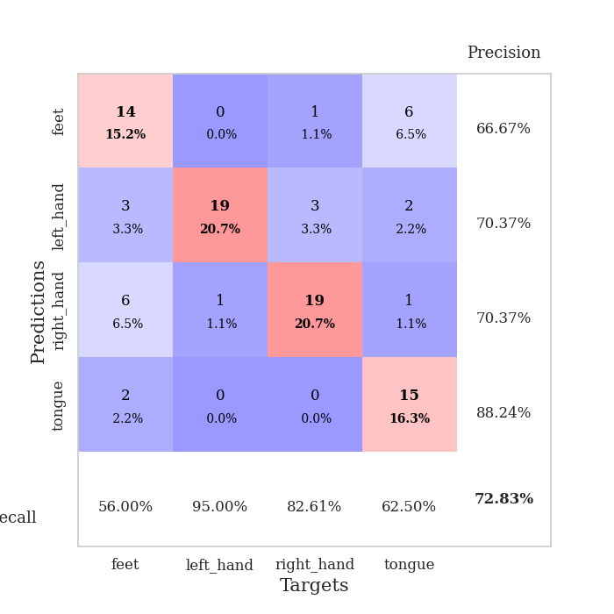
1.0632436768 | 1.9078087029 | 0.25543478261 | 0.21739130435 | 0.20951247215 | 25.543478261 | 21.739130435
1.0622623459 | 2.1948144125 | 0.2527173913 | 0.26086956522 | 0.20987725258 | 25.27173913 | 26.086956522
0.97366378877 | 5.3373750811 | 0.2527173913 | 0.26086956522 | 0.21116447449 | 25.27173913 | 26.086956522
1.0022143773 | 2.3380480538 | 0.24184782609 | 0.27173913043 | 0.21040248871 | 24.184782609 | 27.173913043
0.99380020992 | 2.4558273813 | 0.24184782609 | 0.27173913043 | 0.21070837975 | 24.184782609 | 27.173913043
0.87975914582 | 6.7496083508 | 0.2527173913 | 0.26086956522 | 0.21221041679 | 25.27173913 | 26.086956522
0.87191376479 | 13.857078925 | 0.2527173913 | 0.26086956522 | 0.21030592918 | 25.27173913 | 26.086956522
0.81931907716 | 15.096667621 | 0.2527173913 | 0.26086956522 | 0.20901846886 | 25.27173913 | 26.086956522
0.83942670667 | 7.1194659523 | 0.2527173913 | 0.26086956522 | 0.21125078201 | 25.27173913 | 26.086956522
0.77046806657 | 1.7567843924 | 0.24184782609 | 0.27173913043 | 0.21280550957 | 24.184782609 | 27.173913043
0.75056076309 | 5.8585659525 | 0.25543478261 | 0.21739130435 | 0.21301865578 | 25.543478261 | 21.739130435
0.73807642641 | 15.505251511 | 0.25543478261 | 0.21739130435 | 0.21145486832 | 25.543478261 | 21.739130435
0.68174470896 | 10.866424519 | 0.25543478261 | 0.21739130435 | 0.21153521538 | 25.543478261 | 21.739130435
0.72141618055 | 14.660875901 | 0.25543478261 | 0.21739130435 | 0.21176815033 | 25.543478261 | 21.739130435
0.69385151371 | 11.672241667 | 0.25543478261 | 0.21739130435 | 0.21237683296 | 25.543478261 | 21.739130435
0.68075792167 | 6.2952266569 | 0.24184782609 | 0.27173913043 | 0.21038103104 | 24.184782609 | 27.173913043
0.69239253065 | 5.0824496642 | 0.24184782609 | 0.27173913043 | 0.21336698532 | 24.184782609 | 27.173913043
0.66449286238 | 5.7213123156 | 0.24184782609 | 0.27173913043 | 0.21125435829 | 24.184782609 | 27.173913043
0.69003754595 | 9.0911643401 | 0.24184782609 | 0.27173913043 | 0.21041488647 | 24.184782609 | 27.173913043
0.61029583604 | 15.129967358 | 0.24184782609 | 0.27173913043 | 0.21299505234 | 24.184782609 | 27.173913043
0.65050409799 | 18.598388589 | 0.24184782609 | 0.27173913043 | 0.21311044693 | 24.184782609 | 27.173913043
0.63355544598 | 18.612243818 | 0.24184782609 | 0.27173913043 | 0.21021056175 | 24.184782609 | 27.173913043
0.64560846013 | 14.549089473 | 0.24184782609 | 0.27173913043 | 0.20944452286 | 24.184782609 | 27.173913043
0.62777127649 | 12.721107317 | 0.24184782609 | 0.27173913043 | 0.20928788185 | 24.184782609 | 27.173913043
0.6697280381 | 10.439487582 | 0.24184782609 | 0.27173913043 | 0.20999407768 | 24.184782609 | 27.173913043
0.60433089085 | 10.322281672 | 0.35054347826 | 0.33695652174 | 0.21156597137 | 35.054347826 | 33.695652174
0.62561661135 | 9.6796194574 | 0.32880434783 | 0.32608695652 | 0.21279191971 | 32.880434783 | 32.608695652
0.59053122997 | 8.5722652518 | 0.33967391304 | 0.33695652174 | 0.20844435692 | 33.967391304 | 33.695652174
0.60737420813 | 7.3810852092 | 0.38043478261 | 0.33695652174 | 0.2090523243 | 38.043478261 | 33.695652174
0.5905522432 | 5.9784852525 | 0.39402173913 | 0.35869565217 | 0.21012187004 | 39.402173913 | 35.869565217
0.58936196177 | 4.7235770433 | 0.40217391304 | 0.35869565217 | 0.21261954308 | 40.217391304 | 35.869565217
0.59210920269 | 3.6161729564 | 0.41032608696 | 0.36956521739 | 0.2129881382 | 41.032608696 | 36.956521739

Best Val accuracy is 0.3695652173913043 and Best test accuracy is 0.3103448275862069

Sheet6
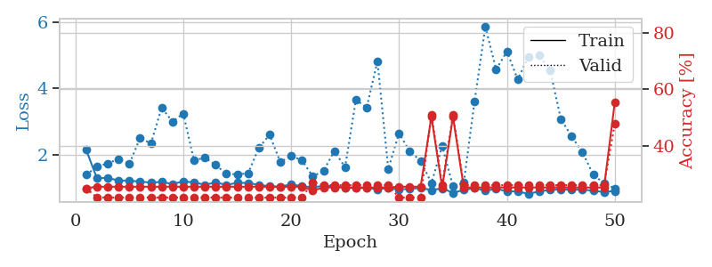
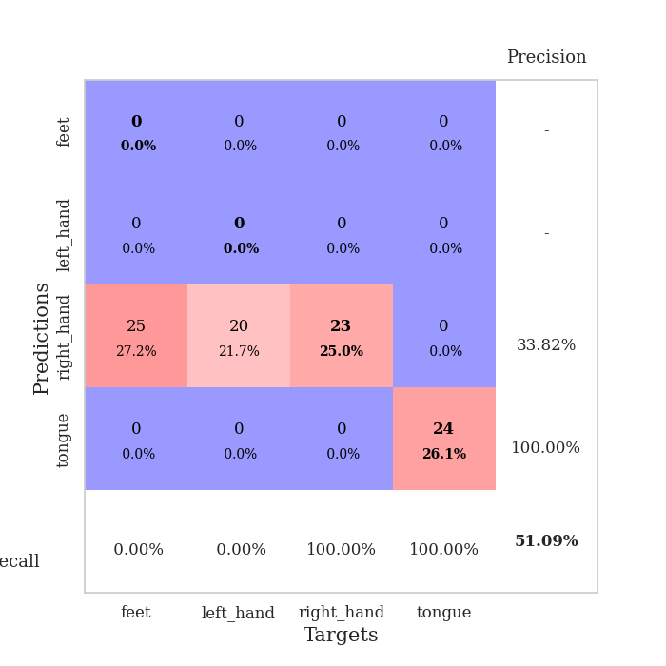
train_loss | valid_loss | train_accuracy | valid_accuracy | dur | train_misclass | valid_misclass
3.7329513767 | 5.0436453612 | 0.24456521739 | 0.27173913043 | 0.084979534149 | 24.456521739 | 27.173913043
1.4854269753 | 3.2408032314 | 0.33967391304 | 0.40217391304 | 0.08319401741 | 33.967391304 | 40.217391304
1.3038873776 | 2.3401087574 | 0.42391304348 | 0.38043478261 | 0.083342552185 | 42.391304348 | 38.043478261
1.2385050939 | 1.8820281288 | 0.46467391304 | 0.39130434783 | 0.083381414413 | 46.467391304 | 39.130434783
1.0114674853 | 1.6499899937 | 0.51630434783 | 0.41304347826 | 0.083115816116 | 51.630434783 | 41.304347826
0.97639923899 | 1.4392016919 | 0.61141304348 | 0.5 | 0.083352804184 | 61.141304348 | 50
0.95725069875 | 1.2702173617 | 0.69836956522 | 0.52173913043 | 0.083297967911 | 69.836956522 | 52.173913043
0.85719484091 | 1.2033642582 | 0.6902173913 | 0.54347826087 | 0.083712339401 | 69.02173913 | 54.347826087
0.84785427995 | 1.3159332897 | 0.7527173913 | 0.47826086957 | 0.083435297012 | 75.27173913 | 47.826086957
0.77733366386 | 1.2341501505 | 0.77173913043 | 0.5 | 0.083348989487 | 77.173913043 | 50
0.72500782946 | 1.2775539808 | 0.74456521739 | 0.4347826087 | 0.083168745041 | 74.456521739 | 43.47826087
0.67162266374 | 1.2316962092 | 0.76086956522 | 0.5 | 0.083086490631 | 76.086956522 | 50
0.75798226051 | 1.3089894471 | 0.74456521739 | 0.5 | 0.083135604858 | 74.456521739 | 50
0.69649938526 | 1.2098849105 | 0.76358695652 | 0.58695652174 | 0.083161115646 | 76.358695652 | 58.695652174
0.60928286936 | 1.3051003762 | 0.72826086957 | 0.5 | 0.083361387253 | 72.826086957 | 50
0.56897351016 | 1.3972650637 | 0.75543478261 | 0.54347826087 | 0.082950115204 | 75.543478261 | 54.347826087
0.60531859229 | 1.5623940307 | 0.69836956522 | 0.53260869565 | 0.083080053329 | 69.836956522 | 53.260869565
0.58863529822 | 1.2330241333 | 0.83967391304 | 0.55434782609 | 0.083309650421 | 83.967391304 | 55.434782609
0.58204748708 | 1.1675697461 | 0.90760869565 | 0.53260869565 | 0.083122968674 | 90.760869565 | 53.260869565
0.63246646394 | 1.2261123476 | 0.85326086957 | 0.5652173913 | 0.084708690643 | 85.326086957 | 56.52173913
0.50152262592 | 1.1891657503 | 0.91847826087 | 0.53260869565 | 0.083587884903 | 91.847826087 | 53.260869565
0.48330719251 | 1.1518404821 | 0.89673913043 | 0.57608695652 | 0.083741664886 | 89.673913043 | 57.608695652
0.50155003758 | 1.3340789728 | 0.81793478261 | 0.59782608696 | 0.083689451218 | 81.793478261 | 59.782608696
0.40929395803 | 1.3699944149 | 0.83152173913 | 0.52173913043 | 0.083610296249 | 83.152173913 | 52.173913043
0.45085069926 | 1.466829033 | 0.7472826087 | 0.53260869565 | 0.083419561386 | 74.72826087 | 53.260869565
0.40956953816 | 1.3336395284 | 0.83695652174 | 0.58695652174 | 0.083791732788 | 83.695652174 | 58.695652174
0.39657429768 | 1.2196783268 | 0.91576086957 | 0.58695652174 | 0.083514690399 | 91.576086957 | 58.695652174
0.40788466581 | 1.3345005927 | 0.8722826087 | 0.5652173913 | 0.083472728729 | 87.22826087 | 56.52173913
0.40807288561 | 1.1500873462 | 0.94565217391 | 0.57608695652 | 0.083590745926 | 94.565217391 | 57.608695652
0.45668214236 | 1.2676499823 | 0.92391304348 | 0.57608695652 | 0.083661317825 | 92.391304348 | 57.608695652
0.39652750674 | 1.3014031597 | 0.89945652174 | 0.54347826087 | 0.083563566208 | 89.945652174 | 54.347826087
0.39455028591 | 1.2898450701 | 0.875 | 0.55434782609 | 0.083602666855 | 87.5 | 55.434782609
0.39325425288 | 1.4497258274 | 0.80163043478 | 0.52173913043 | 0.083572149277 | 80.163043478 | 52.173913043
0.3766910654 | 1.3154488932 | 0.8722826087 | 0.54347826087 | 0.083338499069 | 87.22826087 | 54.347826087
0.33142794863 | 1.2821839607 | 0.8722826087 | 0.59782608696 | 0.08379483223 | 87.22826087 | 59.782608696
0.36085985795 | 1.3893510544 | 0.85326086957 | 0.55434782609 | 0.083601474762 | 85.326086957 | 55.434782609
0.34980438326 | 1.3172681617 | 0.88586956522 | 0.5652173913 | 0.08372926712 | 88.586956522 | 56.52173913
0.39441857487 | 1.3203067857 | 0.91032608696 | 0.53260869565 | 0.083479881287 | 91.032608696 | 53.260869565
0.36817110492 | 1.2445445268 | 0.9347826087 | 0.54347826087 | 0.083472967148 | 93.47826087 | 54.347826087
0.3500773965 | 1.2893581002 | 0.89945652174 | 0.55434782609 | 0.083490848541 | 89.945652174 | 55.434782609
0.33073417324 | 1.2664218156 | 0.91032608696 | 0.57608695652 | 0.083525896072 | 91.032608696 | 57.608695652
0.35694009681 | 1.3092611588 | 0.89402173913 | 0.57608695652 | 0.08357000351 | 89.402173913 | 57.608695652
0.34492600742 | 1.2627383341 | 0.91304347826 | 0.59782608696 | 0.083936691284 | 91.304347826 | 59.782608696
0.31984863722 | 1.2369075625 | 0.92391304348 | 0.59782608696 | 0.083473920822 | 92.391304348 | 59.782608696
0.31379245967 | 1.2279360605 | 0.92934782609 | 0.59782608696 | 0.083676099777 | 92.934782609 | 59.782608696
0.30913702237 | 1.2277249279 | 0.92934782609 | 0.59782608696 | 0.083547830582 | 92.934782609 | 59.782608696
0.3358902238 | 1.2283276812 | 0.9347826087 | 0.59782608696 | 0.08348107338 | 93.47826087 | 59.782608696
0.31873606437 | 1.219989178 | 0.94565217391 | 0.59782608696 | 0.083569288254 | 94.565217391 | 59.782608696
0.33914648418 | 1.2155749616 | 0.94565217391 | 0.59782608696 | 0.08348941803 | 94.565217391 | 59.782608696
0.32652833118 | 1.2117375524 | 0.94836956522 | 0.59782608696 | 0.083437681198 | 94.836956522 | 59.782608696

Best Val accuracy is 0.5978260869565217 and Best test accuracy is 0.5
train_loss | valid_loss | train_accuracy | valid_accuracy | dur | train_misclass | valid_misclass
3.6092935749 | 4.6854784385 | 0.2472826087 | 0.27173913043 | 0.08344244957 | 24.72826087 | 27.173913043
1.5252698764 | 4.3545187038 | 0.2527173913 | 0.26086956522 | 0.081938266754 | 25.27173913 | 26.086956522
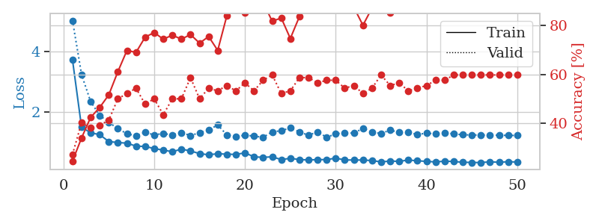
1.2567733993 | 2.3485352371 | 0.30434782609 | 0.28260869565 | 0.082138776779 | 30.434782609 | 28.260869565
1.2092171959 | 1.9335577177 | 0.39402173913 | 0.3152173913 | 0.08228302002 | 39.402173913 | 31.52173913
1.1767107948 | 1.777717808 | 0.44836956522 | 0.33695652174 | 0.084714412689 | 44.836956522 | 33.695652174
1.0649507668 | 1.3249661041 | 0.64673913043 | 0.44565217391 | 0.08101272583 | 64.673913043 | 44.565217391
1.0263227846 | 1.2759852876 | 0.625 | 0.41304347826 | 0.080775022507 | 62.5 | 41.304347826
0.9458915358 | 1.2980904424 | 0.67119565217 | 0.47826086957 | 0.08091711998 | 67.119565217 | 47.826086957
0.88545263332 | 1.2342952801 | 0.70923913043 | 0.5 | 0.080965518951 | 70.923913043 | 50
0.84773845647 | 1.1396011917 | 0.77445652174 | 0.5652173913 | 0.081062316895 | 77.445652174 | 56.52173913
0.7484085197 | 1.2558339834 | 0.72010869565 | 0.5 | 0.08117556572 | 72.010869565 | 50
0.81677013376 | 1.4581204705 | 0.75 | 0.5 | 0.080935955048 | 75 | 50
0.68390307478 | 1.3774492663 | 0.73913043478 | 0.42391304348 | 0.08086848259 | 73.913043478 | 42.391304348
0.62635423437 | 1.5546490006 | 0.70923913043 | 0.46739130435 | 0.080974578857 | 70.923913043 | 46.739130435
0.55201720673 | 1.5794507343 | 0.7472826087 | 0.46739130435 | 0.08080291748 | 74.72826087 | 46.739130435
0.56652611818 | 1.3547728476 | 0.78804347826 | 0.52173913043 | 0.080738782883 | 78.804347826 | 52.173913043
0.56020101775 | 1.3124131794 | 0.82065217391 | 0.55434782609 | 0.080814838409 | 82.065217391 | 55.434782609
0.53820453714 | 1.2088121098 | 0.84782608696 | 0.57608695652 | 0.080873250961 | 84.782608696 | 57.608695652
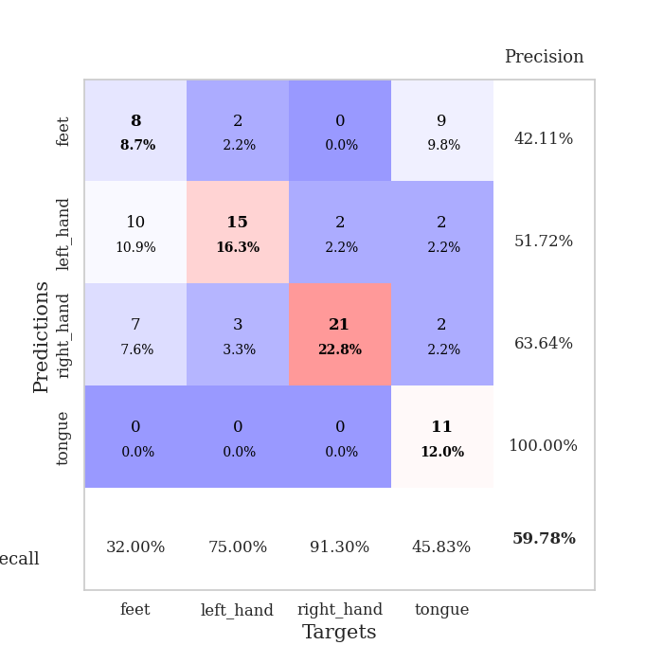
0.54314227921 | 1.5620222377 | 0.76086956522 | 0.51086956522 | 0.081210851669 | 76.086956522 | 51.086956522
0.51024612849 | 1.2225008192 | 0.8777173913 | 0.55434782609 | 0.082713842392 | 87.77173913 | 55.434782609
0.50379959591 | 1.3629866709 | 0.79347826087 | 0.5 | 0.081238508224 | 79.347826087 | 50
0.41643178787 | 1.1589400898 | 0.89402173913 | 0.54347826087 | 0.080957889557 | 89.402173913 | 54.347826087
0.4334905005 | 1.2580270119 | 0.90760869565 | 0.5652173913 | 0.080766439438 | 90.760869565 | 56.52173913
0.41232996596 | 1.2045185955 | 0.93206521739 | 0.57608695652 | 0.080638647079 | 93.206521739 | 57.608695652
0.44266760803 | 1.281859245 | 0.8777173913 | 0.5652173913 | 0.080849409103 | 87.77173913 | 56.52173913
0.35969366781 | 1.3431543086 | 0.81793478261 | 0.52173913043 | 0.080939531326 | 81.793478261 | 52.173913043
0.35494539466 | 1.3362236645 | 0.88043478261 | 0.52173913043 | 0.080998420715 | 88.043478261 | 52.173913043
0.38265602517 | 1.3988499719 | 0.90489130435 | 0.55434782609 | 0.080889225006 | 90.489130435 | 55.434782609
0.36948467532 | 1.4388449944 | 0.88586956522 | 0.5652173913 | 0.080842733383 | 88.586956522 | 56.52173913
0.3500620943 | 1.5152992658 | 0.84510869565 | 0.55434782609 | 0.081218481064 | 84.510869565 | 55.434782609
0.33072905404 | 1.4498454617 | 0.85054347826 | 0.52173913043 | 0.080739974976 | 85.054347826 | 52.173913043
0.34781787739 | 1.2806452046 | 0.92934782609 | 0.55434782609 | 0.080820083618 | 92.934782609 | 55.434782609
0.34332880637 | 1.3790960934 | 0.88858695652 | 0.53260869565 | 0.081085205078 | 88.858695652 | 53.260869565
0.29025336047 | 1.3877664105 | 0.89945652174 | 0.57608695652 | 0.080833911896 | 89.945652174 | 57.608695652
0.24981793016 | 1.3456992559 | 0.96467391304 | 0.5652173913 | 0.080852985382 | 96.467391304 | 56.52173913
0.31026192107 | 1.46723301 | 0.88586956522 | 0.55434782609 | 0.081140041351 | 88.586956522 | 55.434782609
0.28513293292 | 1.3478872957 | 0.9375 | 0.57608695652 | 0.080980539322 | 93.75 | 57.608695652
0.28138646678 | 1.334683566 | 0.91847826087 | 0.5652173913 | 0.080835580826 | 91.847826087 | 56.52173913
0.2768175291 | 1.3345108628 | 0.92391304348 | 0.5652173913 | 0.080860614777 | 92.391304348 | 56.52173913
0.31306062898 | 1.3537227071 | 0.93206521739 | 0.55434782609 | 0.08093547821 | 93.206521739 | 55.434782609
0.24564214083 | 1.4252896853 | 0.92663043478 | 0.55434782609 | 0.081084012985 | 92.663043478 | 55.434782609
0.25827856977 | 1.411403967 | 0.92391304348 | 0.54347826087 | 0.080924749374 | 92.391304348 | 54.347826087
0.22383909413 | 1.4323224684 | 0.93206521739 | 0.57608695652 | 0.081087827682 | 93.206521739 | 57.608695652
0.2639610654 | 1.4314758467 | 0.93206521739 | 0.5652173913 | 0.081160783768 | 93.206521739 | 56.52173913
0.25209006926 | 1.4211068672 | 0.9402173913 | 0.5652173913 | 0.080989360809 | 94.02173913 | 56.52173913
0.26630125227 | 1.4054047206 | 0.94565217391 | 0.58695652174 | 0.083750486374 | 94.565217391 | 58.695652174
0.27609206963 | 1.4008146473 | 0.94565217391 | 0.58695652174 | 0.08264374733 | 94.565217391 | 58.695652174
0.23958307505 | 1.3950903442 | 0.94565217391 | 0.57608695652 | 0.082535028458 | 94.565217391 | 57.608695652
0.23590335056 | 1.3927650141 | 0.94565217391 | 0.58695652174 | 0.082486867905 | 94.565217391 | 58.695652174
0.28172541863 | 1.3896464965 | 0.94565217391 | 0.58695652174 | 0.082400560379 | 94.565217391 | 58.695652174

Best Val accuracy is 0.5869565217391305 and Best test accuracy is 0.5172413793103449
train_loss | valid_loss | train_accuracy | valid_accuracy | dur | train_misclass | valid_misclass
2.1352829208 | 1.3829841147 | 0.25 | 0.25 | 0.21005272865 | 25 | 25
1.2812086136 | 1.631118365 | 0.25543478261 | 0.21739130435 | 0.21117210388 | 25.543478261 | 21.739130435
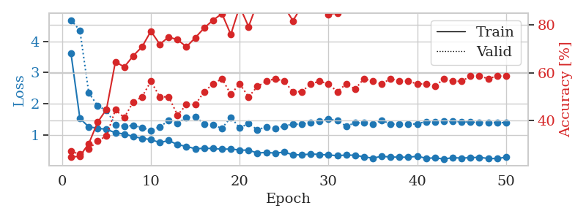
1.2940481176 | 1.729741309 | 0.25543478261 | 0.21739130435 | 0.21115422249 | 25.543478261 | 21.739130435
1.2114670976 | 1.8626584851 | 0.25543478261 | 0.21739130435 | 0.20990180969 | 25.543478261 | 21.739130435
1.2106540825 | 1.7090010643 | 0.25543478261 | 0.21739130435 | 0.21214938164 | 25.543478261 | 21.739130435
1.1782531479 | 2.4998806974 | 0.25543478261 | 0.21739130435 | 0.20911598206 | 25.543478261 | 21.739130435
1.1518089253 | 2.3281201591 | 0.25543478261 | 0.21739130435 | 0.2105050087 | 25.543478261 | 21.739130435
1.1691999099 | 3.4133404752 | 0.25543478261 | 0.21739130435 | 0.206148386 | 25.543478261 | 21.739130435
1.1090406724 | 2.9868946179 | 0.25543478261 | 0.21739130435 | 0.2112288475 | 25.543478261 | 21.739130435
1.1859384412 | 3.2336507984 | 0.25543478261 | 0.21739130435 | 0.20820260048 | 25.543478261 | 21.739130435
1.1552414272 | 1.8129396024 | 0.25543478261 | 0.21739130435 | 0.21248960495 | 25.543478261 | 21.739130435
1.0842905226 | 1.9091095613 | 0.25543478261 | 0.21739130435 | 0.21047496796 | 25.543478261 | 21.739130435
1.1548190143 | 1.6788049936 | 0.25543478261 | 0.21739130435 | 0.21122646332 | 25.543478261 | 21.739130435
1.0791602368 | 1.4139212163 | 0.25543478261 | 0.21739130435 | 0.21273732185 | 25.543478261 | 21.739130435
1.143567347 | 1.4001828639 | 0.25543478261 | 0.21739130435 | 0.21058225632 | 25.543478261 | 21.739130435
1.1376307166 | 1.4279763439 | 0.25543478261 | 0.21739130435 | 0.2093873024 | 25.543478261 | 21.739130435
1.0814452016 | 2.1919825803 | 0.25543478261 | 0.21739130435 | 0.2108168602 | 25.543478261 | 21.739130435
1.0387398937 | 2.5958698107 | 0.25543478261 | 0.21739130435 | 0.21013975143 | 25.543478261 | 21.739130435
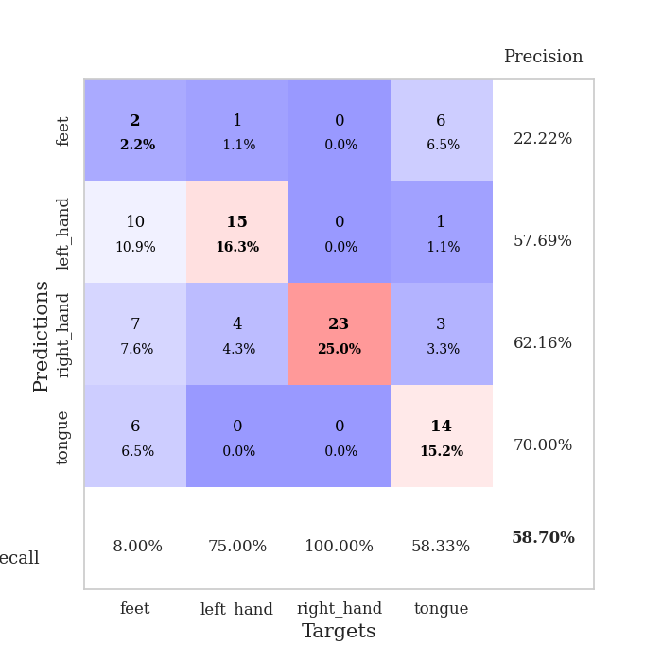
1.0232295912 | 1.7656124519 | 0.25543478261 | 0.21739130435 | 0.21009016037 | 25.543478261 | 21.739130435
1.1012965855 | 1.9598296207 | 0.25543478261 | 0.21739130435 | 0.21149420738 | 25.543478261 | 21.739130435
1.0349567766 | 1.8209101635 | 0.25543478261 | 0.21739130435 | 0.21064162254 | 25.543478261 | 21.739130435
1.0154615433 | 1.3365840445 | 0.24184782609 | 0.27173913043 | 0.21202325821 | 24.184782609 | 27.173913043
1.0433249707 | 1.5041318821 | 0.2527173913 | 0.26086956522 | 0.20960879326 | 25.27173913 | 26.086956522
1.0507663048 | 2.1016637916 | 0.2527173913 | 0.26086956522 | 0.21077299118 | 25.27173913 | 26.086956522
0.98949421489 | 1.613253837 | 0.2527173913 | 0.26086956522 | 0.20771002769 | 25.27173913 | 26.086956522
0.99264288726 | 3.6500324063 | 0.2527173913 | 0.26086956522 | 0.21233654022 | 25.27173913 | 26.086956522
0.98254863594 | 3.4131815537 | 0.2527173913 | 0.26086956522 | 0.21181631088 | 25.27173913 | 26.086956522
0.95174585995 | 4.8156503387 | 0.2527173913 | 0.26086956522 | 0.21276450157 | 25.27173913 | 26.086956522
0.98444059362 | 1.5615952948 | 0.2527173913 | 0.26086956522 | 0.20638942719 | 25.27173913 | 26.086956522
0.94585393045 | 2.6416339563 | 0.25543478261 | 0.21739130435 | 0.21071767807 | 25.543478261 | 21.739130435
0.96083116272 | 2.0886261722 | 0.25543478261 | 0.21739130435 | 0.21205115318 | 25.543478261 | 21.739130435
0.98916590473 | 1.8103751877 | 0.25543478261 | 0.21739130435 | 0.21023654938 | 25.543478261 | 21.739130435
0.92379722906 | 1.135343194 | 0.5027173913 | 0.51086956522 | 0.21032953262 | 50.27173913 | 51.086956522
0.97500002125 | 2.2452505723 | 0.2527173913 | 0.26086956522 | 0.20942878723 | 25.27173913 | 26.086956522
0.84424779208 | 1.0433323202 | 0.5027173913 | 0.51086956522 | 0.20885157585 | 50.27173913 | 51.086956522
0.9263853042 | 1.1487749815 | 0.2527173913 | 0.26086956522 | 0.20923447609 | 25.27173913 | 26.086956522
0.98756026444 | 3.6026285006 | 0.2527173913 | 0.26086956522 | 0.21194934845 | 25.27173913 | 26.086956522
0.90491221521 | 5.8512912419 | 0.2527173913 | 0.26086956522 | 0.20407414436 | 25.27173913 | 26.086956522
0.96224543841 | 4.5641351472 | 0.2527173913 | 0.26086956522 | 0.21059417725 | 25.27173913 | 26.086956522
0.89197193799 | 5.1054939394 | 0.2527173913 | 0.26086956522 | 0.20934152603 | 25.27173913 | 26.086956522
0.88201887452 | 4.2610725216 | 0.2527173913 | 0.26086956522 | 0.21318745613 | 25.27173913 | 26.086956522
0.8088694474 | 4.9515889417 | 0.2527173913 | 0.26086956522 | 0.20958900452 | 25.27173913 | 26.086956522
0.88550653406 | 4.9828346501 | 0.2527173913 | 0.26086956522 | 0.20772790909 | 25.27173913 | 26.086956522
0.92954956189 | 4.5390074979 | 0.2527173913 | 0.26086956522 | 0.20976305008 | 25.27173913 | 26.086956522
0.94777715724 | 3.0664922776 | 0.2527173913 | 0.26086956522 | 0.2115316391 | 25.27173913 | 26.086956522
0.93109336625 | 2.543408767 | 0.2527173913 | 0.26086956522 | 0.21082043648 | 25.27173913 | 26.086956522
0.94301976069 | 2.0655177313 | 0.2527173913 | 0.26086956522 | 0.21180462837 | 25.27173913 | 26.086956522
0.90192038598 | 1.3895184527 | 0.2527173913 | 0.26086956522 | 0.21101284027 | 25.27173913 | 26.086956522
0.86833477798 | 1.1272458356 | 0.2527173913 | 0.26086956522 | 0.21152734756 | 25.27173913 | 26.086956522
0.89862747814 | 0.97754481564 | 0.55434782609 | 0.47826086957 | 0.21056866646 | 55.434782609 | 47.826086957

Best Val accuracy is 0.5108695652173914 and Best test accuracy is 0.4827586206896552

Sheet7
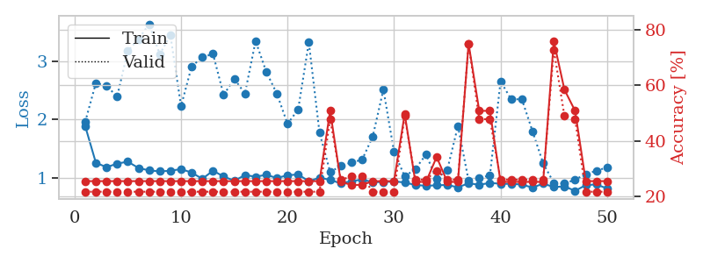
train_loss | valid_loss | train_accuracy | valid_accuracy | dur | train_misclass | valid_misclass
2.8265556045 | 1.6904637762 | 0.33967391304 | 0.35869565217 | 0.086390972137 | 33.967391304 | 35.869565217
1.5414284157 | 2.3779444384 | 0.28260869565 | 0.26086956522 | 0.084789037704 | 28.260869565 | 26.086956522
1.347195545 | 1.5853301805 | 0.41032608696 | 0.38043478261 | 0.082808971405 | 41.032608696 | 38.043478261
1.0415538472 | 1.4029756266 | 0.5625 | 0.40217391304 | 0.083182096481 | 56.25 | 40.217391304
1.0244923104 | 1.3001524469 | 0.54619565217 | 0.40217391304 | 0.082956790924 | 54.619565217 | 40.217391304
0.90767442403 | 1.1588736824 | 0.71467391304 | 0.47826086957 | 0.082956790924 | 71.467391304 | 47.826086957
0.857144348 | 1.1101324973 | 0.74184782609 | 0.51086956522 | 0.08301782608 | 74.184782609 | 51.086956522
0.79366840357 | 1.2157297031 | 0.77717391304 | 0.40217391304 | 0.083160161972 | 77.717391304 | 40.217391304
0.76953858137 | 1.4051612305 | 0.71739130435 | 0.4347826087 | 0.083105325699 | 71.739130435 | 43.47826087
0.71489859534 | 1.2108559194 | 0.75543478261 | 0.44565217391 | 0.083194732666 | 75.543478261 | 44.565217391
0.64619643533 | 1.0733338672 | 0.82608695652 | 0.52173913043 | 0.08314871788 | 82.608695652 | 52.173913043
0.68224628464 | 0.98432515756 | 0.83152173913 | 0.52173913043 | 0.083284854889 | 83.152173913 | 52.173913043
0.55646605336 | 1.1593971667 | 0.75815217391 | 0.53260869565 | 0.083145618439 | 75.815217391 | 53.260869565
0.5311837747 | 1.0481893783 | 0.86141304348 | 0.55434782609 | 0.083192586899 | 86.141304348 | 55.434782609
0.56283926964 | 1.2975118575 | 0.80706521739 | 0.46739130435 | 0.08299946785 | 80.706521739 | 46.739130435
0.49444139198 | 0.9879026698 | 0.89130434783 | 0.51086956522 | 0.083075284958 | 89.130434783 | 51.086956522
0.47280919034 | 0.956449164 | 0.89402173913 | 0.60869565217 | 0.083235740662 | 89.402173913 | 60.869565217
0.50156110331 | 1.0132891303 | 0.89673913043 | 0.51086956522 | 0.083237886429 | 89.673913043 | 51.086956522
0.55207727266 | 1.1140215708 | 0.86684782609 | 0.54347826087 | 0.083256959915 | 86.684782609 | 54.347826087
0.45809895124 | 1.000570844 | 0.89673913043 | 0.58695652174 | 0.08311009407 | 89.673913043 | 58.695652174
0.46029609118 | 1.0785925285 | 0.85869565217 | 0.5 | 0.083158731461 | 85.869565217 | 50
0.39609270899 | 1.2064792721 | 0.83423913043 | 0.54347826087 | 0.083178758621 | 83.423913043 | 54.347826087
0.43603621682 | 1.0944859023 | 0.88586956522 | 0.54347826087 | 0.083241701126 | 88.586956522 | 54.347826087
0.35794070525 | 1.3531141411 | 0.7472826087 | 0.53260869565 | 0.083092689514 | 74.72826087 | 53.260869565
0.40602640808 | 1.1152582194 | 0.88043478261 | 0.57608695652 | 0.083156585693 | 88.043478261 | 57.608695652
0.30567236925 | 0.92276325692 | 0.91576086957 | 0.61956521739 | 0.083122968674 | 91.576086957 | 61.956521739
0.3453888783 | 1.0443817818 | 0.90760869565 | 0.59782608696 | 0.08345246315 | 90.760869565 | 59.782608696
0.34439023163 | 0.94918605556 | 0.90217391304 | 0.58695652174 | 0.083053827286 | 90.217391304 | 58.695652174
0.33307302387 | 1.2493908768 | 0.8097826087 | 0.54347826087 | 0.083307504654 | 80.97826087 | 54.347826087
0.29842695529 | 1.1145134465 | 0.86413043478 | 0.57608695652 | 0.083161115646 | 86.413043478 | 57.608695652
0.27463580603 | 1.0884585095 | 0.88043478261 | 0.60869565217 | 0.083252668381 | 88.043478261 | 60.869565217
0.31108040589 | 1.0433448916 | 0.89673913043 | 0.60869565217 | 0.083308935165 | 89.673913043 | 60.869565217
0.2682858252 | 0.99499729405 | 0.90489130435 | 0.61956521739 | 0.083202362061 | 90.489130435 | 61.956521739
0.23422218309 | 1.0678873088 | 0.88858695652 | 0.60869565217 | 0.082581043243 | 88.858695652 | 60.869565217
0.23776105435 | 1.153250531 | 0.875 | 0.58695652174 | 0.085436105728 | 87.5 | 58.695652174
0.28532550711 | 1.1347398965 | 0.89945652174 | 0.57608695652 | 0.083450555801 | 89.945652174 | 57.608695652
0.23507577699 | 1.159153547 | 0.88858695652 | 0.57608695652 | 0.083322763443 | 88.858695652 | 57.608695652
0.22325157973 | 1.0569600618 | 0.89402173913 | 0.58695652174 | 0.08333325386 | 89.402173913 | 58.695652174
0.22542542349 | 0.98872522168 | 0.91032608696 | 0.61956521739 | 0.083276987076 | 91.032608696 | 61.956521739
0.20209140201 | 0.92700468716 | 0.9402173913 | 0.64130434783 | 0.083569765091 | 94.02173913 | 64.130434783
0.22525474599 | 0.98581591119 | 0.92391304348 | 0.61956521739 | 0.083977460861 | 92.391304348 | 61.956521739
0.20372364378 | 0.97554113295 | 0.92119565217 | 0.63043478261 | 0.087109327316 | 92.119565217 | 63.043478261
0.2025547013 | 0.9767051702 | 0.91847826087 | 0.65217391304 | 0.085177183151 | 91.847826087 | 65.217391304
0.2166210183 | 0.93318409505 | 0.9347826087 | 0.66304347826 | 0.084322452545 | 93.47826087 | 66.304347826
0.19953293418 | 0.91604468615 | 0.95380434783 | 0.66304347826 | 0.084019184113 | 95.380434783 | 66.304347826
0.21841360953 | 0.92598017143 | 0.94293478261 | 0.66304347826 | 0.08517742157 | 94.293478261 | 66.304347826
0.20810447504 | 0.93571785222 | 0.9402173913 | 0.65217391304 | 0.083871603012 | 94.02173913 | 65.217391304
0.21769996878 | 0.93491747068 | 0.9402173913 | 0.66304347826 | 0.083923578262 | 94.02173913 | 66.304347826
0.24370086647 | 0.93196707446 | 0.94293478261 | 0.66304347826 | 0.08377289772 | 94.293478261 | 66.304347826
0.25494827913 | 0.9291753121 | 0.94293478261 | 0.66304347826 | 0.083768129349 | 94.293478261 | 66.304347826

Best Val accuracy is 0.6630434782608695 and Best test accuracy is 0.603448275862069
train_loss | valid_loss | train_accuracy | valid_accuracy | dur | train_misclass | valid_misclass
3.6521180246 | 4.1288556016 | 0.36956521739 | 0.38043478261 | 0.084229230881 | 36.956521739 | 38.043478261
1.5316080632 | 3.8149071154 | 0.36413043478 | 0.30434782609 | 0.082489013672 | 36.413043478 | 30.434782609
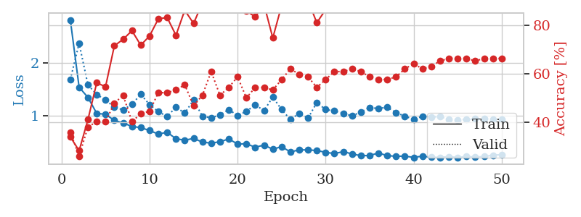
1.2105278528 | 1.8815389301 | 0.47554347826 | 0.42391304348 | 0.082181692123 | 47.554347826 | 42.391304348
1.1294135529 | 1.4954696997 | 0.52445652174 | 0.42391304348 | 0.080945014954 | 52.445652174 | 42.391304348
1.0531493529 | 1.3201978673 | 0.59782608696 | 0.41304347826 | 0.08095574379 | 59.782608696 | 41.304347826
0.9660349566 | 1.164901013 | 0.64945652174 | 0.5 | 0.080947399139 | 64.945652174 | 50
0.90223713284 | 1.0858796291 | 0.72554347826 | 0.55434782609 | 0.080920934677 | 72.554347826 | 55.434782609
0.86685723325 | 1.0853432806 | 0.73097826087 | 0.54347826087 | 0.081037521362 | 73.097826087 | 54.347826087
0.81057335501 | 1.1596858398 | 0.7472826087 | 0.51086956522 | 0.08104968071 | 74.72826087 | 51.086956522
0.74098914732 | 1.4056342944 | 0.72826086957 | 0.4347826087 | 0.081100702286 | 72.826086957 | 43.47826087
0.70967551807 | 1.1048405145 | 0.77989130435 | 0.51086956522 | 0.080938816071 | 77.989130435 | 51.086956522
0.74278314736 | 1.1343219928 | 0.82880434783 | 0.51086956522 | 0.081118106842 | 82.880434783 | 51.086956522
0.74020084998 | 1.1369692035 | 0.83423913043 | 0.54347826087 | 0.080862522125 | 83.423913043 | 54.347826087
0.63015364564 | 1.2096858439 | 0.78804347826 | 0.54347826087 | 0.081054925919 | 78.804347826 | 54.347826087
0.58655110779 | 1.0194336953 | 0.89130434783 | 0.57608695652 | 0.080939769745 | 89.130434783 | 57.608695652
0.55944852596 | 1.2140611903 | 0.84239130435 | 0.55434782609 | 0.081040382385 | 84.239130435 | 55.434782609
0.61461978762 | 1.2464588932 | 0.83967391304 | 0.53260869565 | 0.081029653549 | 83.967391304 | 53.260869565
0.55631826624 | 1.2735583264 | 0.83423913043 | 0.48913043478 | 0.081043720245 | 83.423913043 | 48.913043478
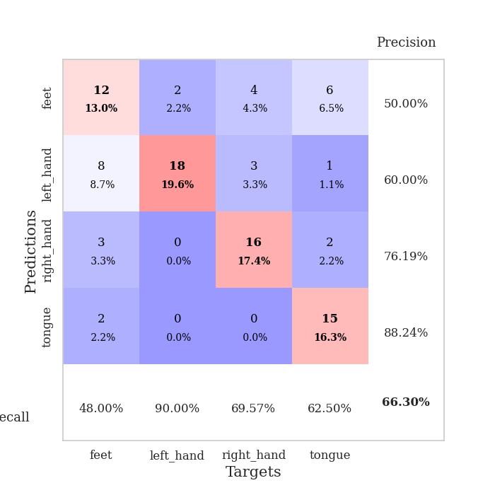
0.52986784862 | 1.2978262979 | 0.83152173913 | 0.5 | 0.081024169922 | 83.152173913 | 50
0.53265275903 | 1.4589638762 | 0.76630434783 | 0.5 | 0.080703735352 | 76.630434783 | 50
0.45108456845 | 1.2077626379 | 0.89673913043 | 0.5 | 0.081101417542 | 89.673913043 | 50
0.42276803307 | 1.6972014593 | 0.71467391304 | 0.4347826087 | 0.080761194229 | 71.467391304 | 43.47826087
0.45418628467 | 1.5591123363 | 0.75815217391 | 0.45652173913 | 0.081043481827 | 75.815217391 | 45.652173913
0.36873861759 | 1.4210433804 | 0.83423913043 | 0.51086956522 | 0.081001520157 | 83.423913043 | 51.086956522
0.41978489834 | 1.3189802559 | 0.89130434783 | 0.52173913043 | 0.081060886383 | 89.130434783 | 52.173913043
0.36552316857 | 1.2537828969 | 0.89673913043 | 0.53260869565 | 0.080852508545 | 89.673913043 | 53.260869565
0.40094198027 | 1.5198135739 | 0.76902173913 | 0.5 | 0.080868005753 | 76.902173913 | 50
0.32185601961 | 1.6797960271 | 0.72826086957 | 0.5 | 0.08097577095 | 72.826086957 | 50
0.29553621683 | 1.5944787575 | 0.77989130435 | 0.48913043478 | 0.080867290497 | 77.989130435 | 48.913043478
0.38170331976 | 1.7815675995 | 0.69293478261 | 0.47826086957 | 0.084078788757 | 69.293478261 | 47.826086957
0.33210518827 | 1.3310184738 | 0.88858695652 | 0.5 | 0.082119941711 | 88.858695652 | 50
0.3319430463 | 1.5479973347 | 0.8125 | 0.48913043478 | 0.08264541626 | 81.25 | 48.913043478
0.31753469194 | 1.4875577092 | 0.82608695652 | 0.5 | 0.082312583923 | 82.608695652 | 50
0.30490537344 | 1.5825473277 | 0.79891304348 | 0.5 | 0.082595586777 | 79.891304348 | 50
0.28977568869 | 1.597804536 | 0.79076086957 | 0.5 | 0.084378957748 | 79.076086957 | 50
0.27228137235 | 1.5623155469 | 0.79076086957 | 0.48913043478 | 0.081033229828 | 79.076086957 | 48.913043478
0.25177382645 | 1.5639505801 | 0.80706521739 | 0.52173913043 | 0.080999612808 | 80.706521739 | 52.173913043
0.22781807508 | 1.5277756997 | 0.83152173913 | 0.52173913043 | 0.081237792969 | 83.152173913 | 52.173913043
0.24621237733 | 1.5990789662 | 0.80706521739 | 0.52173913043 | 0.081189393997 | 80.706521739 | 52.173913043
0.27518636895 | 1.5606040022 | 0.8097826087 | 0.53260869565 | 0.081117868423 | 80.97826087 | 53.260869565
0.26512573789 | 1.5600831457 | 0.80434782609 | 0.52173913043 | 0.081003904343 | 80.434782609 | 52.173913043
0.24892186212 | 1.5457199501 | 0.81793478261 | 0.53260869565 | 0.080792665482 | 81.793478261 | 53.260869565
0.20829182912 | 1.5543676563 | 0.8152173913 | 0.53260869565 | 0.081831455231 | 81.52173913 | 53.260869565
0.24445230903 | 1.5961397212 | 0.80434782609 | 0.52173913043 | 0.08256316185 | 80.434782609 | 52.173913043
0.23090840779 | 1.561991562 | 0.8152173913 | 0.51086956522 | 0.082182645798 | 81.52173913 | 51.086956522
0.22383640285 | 1.536186835 | 0.82336956522 | 0.52173913043 | 0.082211017609 | 82.336956522 | 52.173913043
0.22442100262 | 1.5201888136 | 0.84510869565 | 0.52173913043 | 0.082424640656 | 84.510869565 | 52.173913043
0.23031458777 | 1.514627353 | 0.84510869565 | 0.52173913043 | 0.082378387451 | 84.510869565 | 52.173913043
0.21347290634 | 1.5097402853 | 0.84782608696 | 0.52173913043 | 0.082048654556 | 84.782608696 | 52.173913043
0.2266683376 | 1.5051783531 | 0.85597826087 | 0.52173913043 | 0.082141876221 | 85.597826087 | 52.173913043

Best Val accuracy is 0.5760869565217391 and Best test accuracy is 0.4827586206896552
train_loss | valid_loss | train_accuracy | valid_accuracy | dur | train_misclass | valid_misclass
1.8891122289 | 1.9607207257 | 0.25543478261 | 0.21739130435 | 0.2055106163 | 25.543478261 | 21.739130435
1.2636225379 | 2.6233531392 | 0.25543478261 | 0.21739130435 | 0.21181130409 | 25.543478261 | 21.739130435
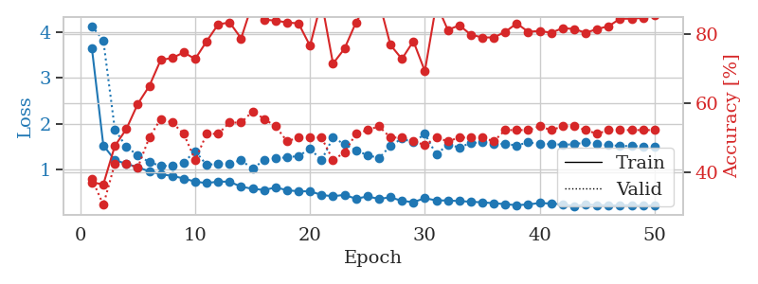
1.1857925757 | 2.5792913955 | 0.25543478261 | 0.21739130435 | 0.21127462387 | 25.543478261 | 21.739130435
1.247576444 | 2.3925299852 | 0.25543478261 | 0.21739130435 | 0.21022200584 | 25.543478261 | 21.739130435
1.2806337139 | 3.1740840103 | 0.25543478261 | 0.21739130435 | 0.21163487434 | 25.543478261 | 21.739130435
1.1734731871 | 3.3757741037 | 0.25543478261 | 0.21739130435 | 0.21285772324 | 25.543478261 | 21.739130435
1.1311264453 | 3.6323586858 | 0.25543478261 | 0.21739130435 | 0.21088457108 | 25.543478261 | 21.739130435
1.114854709 | 3.116601747 | 0.25543478261 | 0.21739130435 | 0.20974850655 | 25.543478261 | 21.739130435
1.1252493858 | 3.4441511838 | 0.25543478261 | 0.21739130435 | 0.21316218376 | 25.543478261 | 21.739130435
1.1543945411 | 2.2301833215 | 0.25543478261 | 0.21739130435 | 0.20916342735 | 25.543478261 | 21.739130435
1.0936705885 | 2.9107393493 | 0.25543478261 | 0.21739130435 | 0.20949912071 | 25.543478261 | 21.739130435
0.98702161727 | 3.0652282445 | 0.25543478261 | 0.21739130435 | 0.21088004112 | 25.543478261 | 21.739130435
1.126652049 | 3.1232345001 | 0.25543478261 | 0.21739130435 | 0.2106282711 | 25.543478261 | 21.739130435
1.0270465509 | 2.4229838641 | 0.25543478261 | 0.21739130435 | 0.21044278145 | 25.543478261 | 21.739130435
0.95375535022 | 2.6962569382 | 0.25543478261 | 0.21739130435 | 0.21327757835 | 25.543478261 | 21.739130435
1.0517163795 | 2.4452470593 | 0.25543478261 | 0.21739130435 | 0.20859932899 | 25.543478261 | 21.739130435
1.0243850299 | 3.3429957576 | 0.25543478261 | 0.21739130435 | 0.209836483 | 25.543478261 | 21.739130435
1.0551720054 | 2.8185610668 | 0.25543478261 | 0.21739130435 | 0.21083545685 | 25.543478261 | 21.739130435
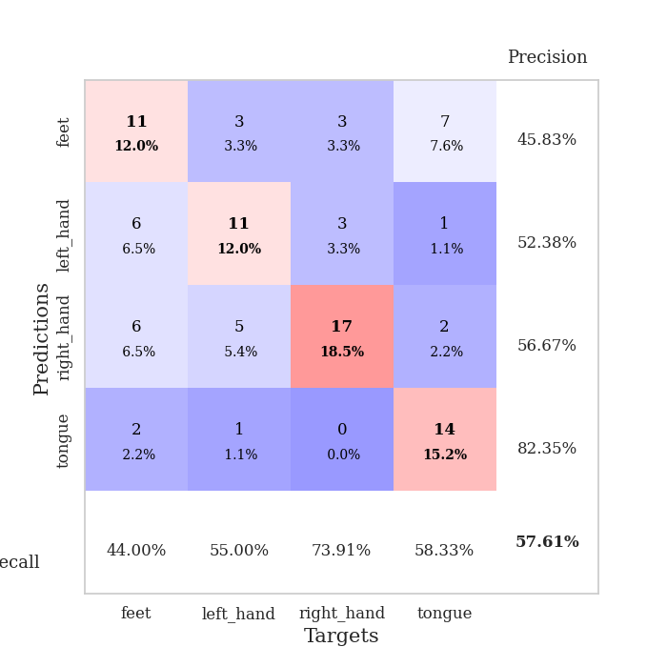
1.001908463 | 2.4424848246 | 0.25543478261 | 0.21739130435 | 0.20920944214 | 25.543478261 | 21.739130435
1.0479792486 | 1.9259982161 | 0.25543478261 | 0.21739130435 | 0.2101585865 | 25.543478261 | 21.739130435
1.0625662752 | 2.1748899377 | 0.25543478261 | 0.21739130435 | 0.21076178551 | 25.543478261 | 21.739130435
0.9448315553 | 3.3213875086 | 0.25543478261 | 0.21739130435 | 0.21104335785 | 25.543478261 | 21.739130435
1.0057240595 | 1.7765032468 | 0.25543478261 | 0.21739130435 | 0.2111518383 | 25.543478261 | 21.739130435
0.97022415503 | 1.1046073748 | 0.50815217391 | 0.47826086957 | 0.20947051048 | 50.815217391 | 47.826086957
0.90843057892 | 1.2058262618 | 0.2527173913 | 0.26086956522 | 0.21031045914 | 25.27173913 | 26.086956522
0.94757508713 | 1.26686728 | 0.24184782609 | 0.27173913043 | 0.21128201485 | 24.184782609 | 27.173913043
0.97458781367 | 1.3137264511 | 0.24184782609 | 0.27173913043 | 0.21017670631 | 24.184782609 | 27.173913043
0.93257369684 | 1.7094347943 | 0.25543478261 | 0.21739130435 | 0.21074509621 | 25.543478261 | 21.739130435
0.9318121257 | 2.5148506683 | 0.25543478261 | 0.21739130435 | 0.21128177643 | 25.543478261 | 21.739130435
0.94377326188 | 1.4476497743 | 0.25543478261 | 0.21739130435 | 0.20978546143 | 25.543478261 | 21.739130435
0.92528579546 | 1.0286093484 | 0.4972826087 | 0.48913043478 | 0.20861029625 | 49.72826087 | 48.913043478
0.8818456401 | 1.1553508769 | 0.2527173913 | 0.26086956522 | 0.21099829674 | 25.27173913 | 26.086956522
0.8694598286 | 1.4027727324 | 0.2527173913 | 0.26086956522 | 0.21034669876 | 25.27173913 | 26.086956522
0.8760484768 | 0.98815426619 | 0.34239130435 | 0.29347826087 | 0.20969581604 | 34.239130435 | 29.347826087
0.88331175369 | 1.1424870232 | 0.2527173913 | 0.26086956522 | 0.20653128624 | 25.27173913 | 26.086956522
0.84132876603 | 1.8908036118 | 0.2527173913 | 0.26086956522 | 0.21433949471 | 25.27173913 | 26.086956522
0.91216383032 | 0.95587111556 | 0.75 | 0.75 | 0.20512270927 | 75 | 75
0.88530174546 | 1.0069362728 | 0.50815217391 | 0.47826086957 | 0.20886659622 | 50.815217391 | 47.826086957
0.91849006259 | 1.0417807206 | 0.50815217391 | 0.47826086957 | 0.20994973183 | 50.815217391 | 47.826086957
0.9026076094 | 2.6533407543 | 0.2527173913 | 0.26086956522 | 0.20989537239 | 25.27173913 | 26.086956522
0.900812346 | 2.3477135016 | 0.2527173913 | 0.26086956522 | 0.20913696289 | 25.27173913 | 26.086956522
0.89064690341 | 2.3479034486 | 0.2527173913 | 0.26086956522 | 0.21057581902 | 25.27173913 | 26.086956522
0.83659834447 | 1.8014223887 | 0.2527173913 | 0.26086956522 | 0.21034669876 | 25.27173913 | 26.086956522
0.90599710527 | 1.2527136958 | 0.2527173913 | 0.26086956522 | 0.21401119232 | 25.27173913 | 26.086956522
0.84668204059 | 0.91965654881 | 0.75815217391 | 0.72826086957 | 0.20497250557 | 75.815217391 | 72.826086957
0.85856700721 | 0.90515708664 | 0.58423913043 | 0.48913043478 | 0.207249403 | 58.423913043 | 48.913043478
0.78123449502 | 0.97459305628 | 0.50815217391 | 0.47826086957 | 0.21028923988 | 50.815217391 | 47.826086957
0.8800067487 | 1.0680340321 | 0.25543478261 | 0.21739130435 | 0.21158194542 | 25.543478261 | 21.739130435
0.89156100024 | 1.1246919476 | 0.25543478261 | 0.21739130435 | 0.20713639259 | 25.543478261 | 21.739130435
0.82249623019 | 1.1824993984 | 0.25543478261 | 0.21739130435 | 0.21083116531 | 25.543478261 | 21.739130435

Best Val accuracy is 0.75 and Best test accuracy is 0.75

Sheet8
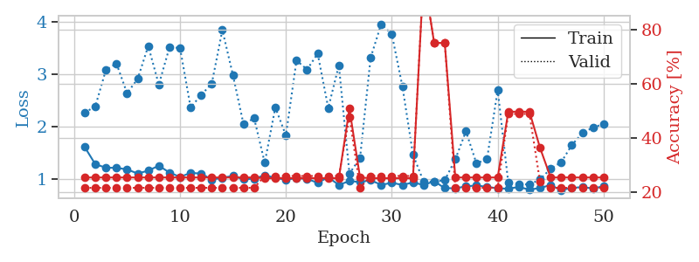
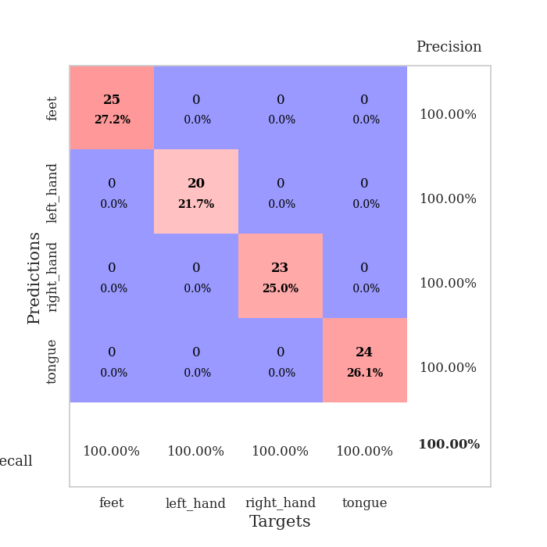
train_loss | valid_loss | train_accuracy | valid_accuracy | dur | train_misclass | valid_misclass
3.8238207672 | 5.1853995531 | 0.38043478261 | 0.33695652174 | 0.085634231567 | 38.043478261 | 33.695652174
1.6486400573 | 5.2842224577 | 0.33152173913 | 0.3152173913 | 0.083108663559 | 33.152173913 | 31.52173913
1.3498532798 | 3.4256958754 | 0.35597826087 | 0.29347826087 | 0.08327293396 | 35.597826087 | 29.347826087
1.0634290485 | 2.3842437889 | 0.5 | 0.33695652174 | 0.083492994308 | 50 | 33.695652174
1.045134306 | 1.5285373615 | 0.65217391304 | 0.4347826087 | 0.085052251816 | 65.217391304 | 43.47826087
0.97541327062 | 1.334765398 | 0.7472826087 | 0.44565217391 | 0.083803653717 | 74.72826087 | 44.565217391
0.87125915937 | 1.3871444982 | 0.73369565217 | 0.46739130435 | 0.08345913887 | 73.369565217 | 46.739130435
0.79543167871 | 1.2053731162 | 0.69293478261 | 0.5 | 0.083687782288 | 69.293478261 | 50
0.80941344344 | 1.1378116608 | 0.6875 | 0.54347826087 | 0.083650350571 | 68.75 | 54.347826087
0.65073665005 | 1.1252361121 | 0.75543478261 | 0.53260869565 | 0.083835840225 | 75.543478261 | 53.260869565
0.62400069703 | 1.1312307275 | 0.75543478261 | 0.5652173913 | 0.083653688431 | 75.543478261 | 56.52173913
0.64613873026 | 1.0905512105 | 0.88043478261 | 0.54347826087 | 0.083931922913 | 88.043478261 | 54.347826087
0.68097436039 | 1.0519113022 | 0.85326086957 | 0.57608695652 | 0.08346581459 | 85.326086957 | 57.608695652
0.61538426384 | 1.1538380462 | 0.86141304348 | 0.57608695652 | 0.083897590637 | 86.141304348 | 57.608695652
0.52477552839 | 1.1864921217 | 0.82336956522 | 0.55434782609 | 0.083404779434 | 82.336956522 | 55.434782609
0.51136164821 | 1.0604084886 | 0.84782608696 | 0.60869565217 | 0.085898637772 | 84.782608696 | 60.869565217
0.45158792384 | 1.1064018348 | 0.88858695652 | 0.57608695652 | 0.083916425705 | 88.858695652 | 57.608695652
0.427712986 | 1.1297404326 | 0.875 | 0.57608695652 | 0.08348441124 | 87.5 | 57.608695652
0.44462878678 | 1.1652859916 | 0.84510869565 | 0.59782608696 | 0.083171844482 | 84.510869565 | 59.782608696
0.39850309556 | 1.0802193103 | 0.95380434783 | 0.64130434783 | 0.083149194717 | 95.380434783 | 64.130434783
0.36412357766 | 1.084206931 | 0.90217391304 | 0.60869565217 | 0.083392620087 | 90.217391304 | 60.869565217
0.35990638092 | 1.0620864811 | 0.92119565217 | 0.65217391304 | 0.083506584167 | 92.119565217 | 65.217391304
0.46681617719 | 1.1468518247 | 0.875 | 0.57608695652 | 0.083246231079 | 87.5 | 57.608695652
0.37213284781 | 1.0478409062 | 0.91576086957 | 0.61956521739 | 0.083228826523 | 91.576086957 | 61.956521739
0.31492238135 | 1.0944670076 | 0.92934782609 | 0.63043478261 | 0.083264112473 | 92.934782609 | 63.043478261
0.28918979803 | 1.168671963 | 0.89130434783 | 0.60869565217 | 0.083260059357 | 89.130434783 | 60.869565217
0.34076406791 | 1.13612678 | 0.89673913043 | 0.57608695652 | 0.083651542664 | 89.673913043 | 57.608695652
0.31640700931 | 1.0932875587 | 0.91304347826 | 0.61956521739 | 0.083400726318 | 91.304347826 | 61.956521739
0.31419784624 | 1.1266007553 | 0.90760869565 | 0.5652173913 | 0.083221912384 | 90.760869565 | 56.52173913
0.31395584086 | 1.0915129418 | 0.90489130435 | 0.57608695652 | 0.083177089691 | 90.489130435 | 57.608695652
0.2862299901 | 1.1023629748 | 0.92934782609 | 0.59782608696 | 0.08326458931 | 92.934782609 | 59.782608696
0.26278375089 | 1.2471118673 | 0.92934782609 | 0.58695652174 | 0.083251237869 | 92.934782609 | 58.695652174
0.35477037372 | 1.1160420646 | 0.93206521739 | 0.59782608696 | 0.083253145218 | 93.206521739 | 59.782608696
0.25447212451 | 1.1797821418 | 0.90489130435 | 0.54347826087 | 0.083408594131 | 90.489130435 | 54.347826087
0.25600838434 | 1.121774137 | 0.9347826087 | 0.61956521739 | 0.083380460739 | 93.47826087 | 61.956521739
0.21140057172 | 1.1533928151 | 0.91304347826 | 0.60869565217 | 0.083366155624 | 91.304347826 | 60.869565217
0.23587669432 | 1.1502681945 | 0.91304347826 | 0.64130434783 | 0.083285808563 | 91.304347826 | 64.130434783
0.22509704206 | 1.1358542209 | 0.90217391304 | 0.63043478261 | 0.083409547806 | 90.217391304 | 63.043478261
0.20820088571 | 1.0998552286 | 0.92934782609 | 0.63043478261 | 0.08328461647 | 92.934782609 | 63.043478261
0.23678142804 | 1.1265563732 | 0.91847826087 | 0.63043478261 | 0.083278894424 | 91.847826087 | 63.043478261
0.21697575097 | 1.1012911226 | 0.95652173913 | 0.64130434783 | 0.08340382576 | 95.652173913 | 64.130434783
0.24338971564 | 1.0878979201 | 0.95380434783 | 0.65217391304 | 0.085293054581 | 95.380434783 | 65.217391304
0.24828894598 | 1.0929545708 | 0.94565217391 | 0.59782608696 | 0.083392381668 | 94.565217391 | 59.782608696
0.21633386968 | 1.0929476748 | 0.95108695652 | 0.60869565217 | 0.084084510803 | 95.108695652 | 60.869565217
0.2281444306 | 1.0863754516 | 0.95923913043 | 0.61956521739 | 0.085426807404 | 95.923913043 | 61.956521739
0.23432406864 | 1.0851332286 | 0.95923913043 | 0.63043478261 | 0.083377122879 | 95.923913043 | 63.043478261
0.18480054564 | 1.0852496287 | 0.95380434783 | 0.63043478261 | 0.087276697159 | 95.380434783 | 63.043478261
0.20569103373 | 1.0851346721 | 0.95380434783 | 0.64130434783 | 0.083523035049 | 95.380434783 | 64.130434783
0.22721417572 | 1.0846395622 | 0.95380434783 | 0.63043478261 | 0.083314418793 | 95.380434783 | 63.043478261
0.22908212973 | 1.0835891262 | 0.95380434783 | 0.63043478261 | 0.083823442459 | 95.380434783 | 63.043478261

Best Val accuracy is 0.6521739130434783 and Best test accuracy is 0.5862068965517241
train_loss | valid_loss | train_accuracy | valid_accuracy | dur | train_misclass | valid_misclass
3.2918633534 | 7.4706426496 | 0.24456521739 | 0.27173913043 | 0.084126472473 | 24.456521739 | 27.173913043
1.6509969079 | 4.055478407 | 0.26358695652 | 0.26086956522 | 0.082120656967 | 26.358695652 | 26.086956522
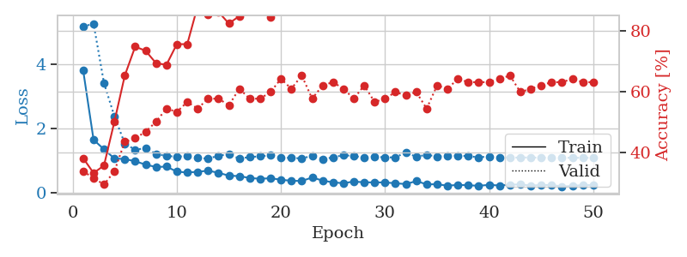
1.4138656025 | 2.5021574083 | 0.375 | 0.29347826087 | 0.08217716217 | 37.5 | 29.347826087
1.2004706782 | 2.0668845902 | 0.42119565217 | 0.36956521739 | 0.082131385803 | 42.119565217 | 36.956521739
1.0841729589 | 1.4170325994 | 0.58695652174 | 0.36956521739 | 0.08233165741 | 58.695652174 | 36.956521739
0.91282438843 | 1.3156985563 | 0.65217391304 | 0.40217391304 | 0.082282066345 | 65.217391304 | 40.217391304
0.9799280348 | 1.2553304019 | 0.71195652174 | 0.45652173913 | 0.082474946976 | 71.195652174 | 45.652173913
0.79079925236 | 1.1375859976 | 0.79347826087 | 0.45652173913 | 0.082378149033 | 79.347826087 | 45.652173913
0.76413476597 | 1.2185617271 | 0.75543478261 | 0.5 | 0.082576036453 | 75.543478261 | 50
0.70920485258 | 1.0348257759 | 0.82608695652 | 0.5652173913 | 0.082352876663 | 82.608695652 | 56.52173913
0.65719282886 | 1.1296163901 | 0.80163043478 | 0.53260869565 | 0.082816123962 | 80.163043478 | 53.260869565
0.59332959678 | 1.1328817502 | 0.78260869565 | 0.5652173913 | 0.082564115524 | 78.260869565 | 56.52173913
0.53845867903 | 0.99691831029 | 0.80706521739 | 0.58695652174 | 0.082535028458 | 80.706521739 | 58.695652174
0.5077017902 | 1.0162509084 | 0.8097826087 | 0.58695652174 | 0.082610845566 | 80.97826087 | 58.695652174
0.51268504236 | 1.1663703607 | 0.74456521739 | 0.5652173913 | 0.082472801208 | 74.456521739 | 56.52173913
0.40659197128 | 1.1357349442 | 0.72826086957 | 0.58695652174 | 0.084727287292 | 72.826086957 | 58.695652174
0.474448033 | 1.683041272 | 0.56793478261 | 0.38043478261 | 0.082555055618 | 56.793478261 | 38.043478261
0.40900216932 | 1.1745506992 | 0.73913043478 | 0.59782608696 | 0.082663059235 | 73.913043478 | 59.782608696
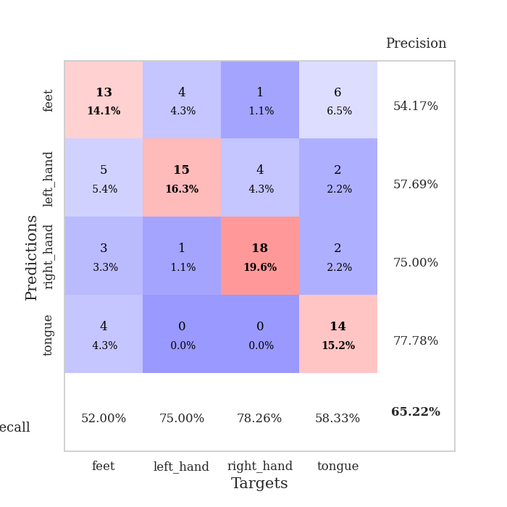
0.36090999842 | 1.0703190436 | 0.79076086957 | 0.63043478261 | 0.082884073257 | 79.076086957 | 63.043478261
0.34788877744 | 1.156531562 | 0.77717391304 | 0.60869565217 | 0.082630395889 | 77.717391304 | 60.869565217
0.42075368762 | 1.1669742335 | 0.76902173913 | 0.5652173913 | 0.082608222961 | 76.902173913 | 56.52173913
0.36784836812 | 1.0308547538 | 0.79347826087 | 0.61956521739 | 0.082755565643 | 79.347826087 | 61.956521739
0.30662700566 | 1.0554235629 | 0.83695652174 | 0.64130434783 | 0.082625389099 | 83.695652174 | 64.130434783
0.31288522288 | 0.96576137906 | 0.88043478261 | 0.64130434783 | 0.082811355591 | 88.043478261 | 64.130434783
0.30717394793 | 1.0844131682 | 0.86141304348 | 0.64130434783 | 0.082698106766 | 86.141304348 | 64.130434783
0.28233476858 | 1.1589379077 | 0.83967391304 | 0.60869565217 | 0.082610368729 | 83.967391304 | 60.869565217
0.28928785642 | 1.0914907741 | 0.83967391304 | 0.63043478261 | 0.082823038101 | 83.967391304 | 63.043478261
0.27068355323 | 1.0159119497 | 0.88858695652 | 0.65217391304 | 0.082948684692 | 88.858695652 | 65.217391304
0.27752642236 | 1.1378671708 | 0.82065217391 | 0.61956521739 | 0.083355426788 | 82.065217391 | 61.956521739
0.20146553186 | 1.0657820702 | 0.85326086957 | 0.64130434783 | 0.0829205513 | 85.326086957 | 64.130434783
0.2546365896 | 1.0360861421 | 0.86956521739 | 0.64130434783 | 0.082800626755 | 86.956521739 | 64.130434783
0.23116543468 | 1.0251972287 | 0.86141304348 | 0.6847826087 | 0.082587242126 | 86.141304348 | 68.47826087
0.27289029243 | 1.0087426979 | 0.85054347826 | 0.69565217391 | 0.083044528961 | 85.054347826 | 69.565217391
0.21873494335 | 1.0780326283 | 0.85597826087 | 0.66304347826 | 0.08300113678 | 85.597826087 | 66.304347826
0.22603948754 | 1.0354308693 | 0.86684782609 | 0.66304347826 | 0.082699537277 | 86.684782609 | 66.304347826
0.20285362394 | 1.0249339575 | 0.86141304348 | 0.6847826087 | 0.082665681839 | 86.141304348 | 68.47826087
0.19003877141 | 1.0546366935 | 0.84510869565 | 0.66304347826 | 0.082581281662 | 84.510869565 | 66.304347826
0.19453087287 | 0.99715697247 | 0.89130434783 | 0.67391304348 | 0.082744121552 | 89.130434783 | 67.391304348
0.17643963108 | 0.99901312071 | 0.88858695652 | 0.69565217391 | 0.082885742188 | 88.858695652 | 69.565217391
0.20513438952 | 0.99497074925 | 0.86684782609 | 0.6847826087 | 0.082790851593 | 86.684782609 | 68.47826087
0.17909757809 | 0.96068553043 | 0.89945652174 | 0.6847826087 | 0.082720756531 | 89.945652174 | 68.47826087
0.18545103656 | 0.95696842411 | 0.91847826087 | 0.70652173913 | 0.082756757736 | 91.847826087 | 70.652173913
0.17113814503 | 0.98469791464 | 0.90217391304 | 0.69565217391 | 0.083166599274 | 90.217391304 | 69.565217391
0.18211700379 | 0.97418162356 | 0.90760869565 | 0.70652173913 | 0.082582235336 | 90.760869565 | 70.652173913
0.15431810284 | 0.97016531229 | 0.91847826087 | 0.70652173913 | 0.084881305695 | 91.847826087 | 70.652173913
0.1805927585 | 0.97153273873 | 0.91847826087 | 0.70652173913 | 0.082147598267 | 91.847826087 | 70.652173913
0.18656482677 | 0.967684681 | 0.91847826087 | 0.69565217391 | 0.082266569138 | 91.847826087 | 69.565217391
0.20072329069 | 0.95979052005 | 0.9402173913 | 0.69565217391 | 0.084558010101 | 94.02173913 | 69.565217391
0.17627400435 | 0.95777431778 | 0.94293478261 | 0.69565217391 | 0.082622766495 | 94.293478261 | 69.565217391
0.19070759464 | 0.95583791059 | 0.94293478261 | 0.69565217391 | 0.082726240158 | 94.293478261 | 69.565217391

Best Val accuracy is 0.7065217391304348 and Best test accuracy is 0.6896551724137931
train_loss | valid_loss | train_accuracy | valid_accuracy | dur | train_misclass | valid_misclass
1.6099806195 | 2.2670048734 | 0.25543478261 | 0.21739130435 | 0.20691275597 | 25.543478261 | 21.739130435
1.2819424194 | 2.3846116584 | 0.25543478261 | 0.21739130435 | 0.2062959671 | 25.543478261 | 21.739130435

1.2156677505 | 3.0820747355 | 0.25543478261 | 0.21739130435 | 0.21244335175 | 25.543478261 | 21.739130435
1.2124653251 | 3.2039184052 | 0.25543478261 | 0.21739130435 | 0.21052336693 | 25.543478261 | 21.739130435
1.182560957 | 2.6378790088 | 0.25543478261 | 0.21739130435 | 0.21326208115 | 25.543478261 | 21.739130435
1.1039543463 | 2.9100283851 | 0.25543478261 | 0.21739130435 | 0.20599579811 | 25.543478261 | 21.739130435
1.1592175494 | 3.5386256861 | 0.25543478261 | 0.21739130435 | 0.20788526535 | 25.543478261 | 21.739130435
1.2536094811 | 2.8005534773 | 0.25543478261 | 0.21739130435 | 0.21379780769 | 25.543478261 | 21.739130435
1.1226229279 | 3.5103638276 | 0.25543478261 | 0.21739130435 | 0.21061420441 | 25.543478261 | 21.739130435
1.0392701393 | 3.5040546086 | 0.25543478261 | 0.21739130435 | 0.20668768883 | 25.543478261 | 21.739130435
1.1154695672 | 2.3655212962 | 0.25543478261 | 0.21739130435 | 0.20810127258 | 25.543478261 | 21.739130435
1.104136226 | 2.6041873953 | 0.25543478261 | 0.21739130435 | 0.20965480804 | 25.543478261 | 21.739130435
0.98815219817 | 2.8213593131 | 0.25543478261 | 0.21739130435 | 0.21063685417 | 25.543478261 | 21.739130435
1.023507862 | 3.8439068794 | 0.25543478261 | 0.21739130435 | 0.21008300781 | 25.543478261 | 21.739130435
1.0587857158 | 2.9810417009 | 0.25543478261 | 0.21739130435 | 0.21066737175 | 25.543478261 | 21.739130435
0.99239407156 | 2.0431945739 | 0.25543478261 | 0.21739130435 | 0.21244192123 | 25.543478261 | 21.739130435
1.0069019095 | 2.1607306729 | 0.25543478261 | 0.21739130435 | 0.21081519127 | 25.543478261 | 21.739130435
1.0708273286 | 1.3076715625 | 0.2527173913 | 0.26086956522 | 0.20962691307 | 25.27173913 | 26.086956522

1.0242100332 | 2.3651157358 | 0.2527173913 | 0.26086956522 | 0.20811343193 | 25.27173913 | 26.086956522
0.98217905086 | 1.8315954675 | 0.2527173913 | 0.26086956522 | 0.2092499733 | 25.27173913 | 26.086956522
1.0199860438 | 3.2651405023 | 0.2527173913 | 0.26086956522 | 0.21001052856 | 25.27173913 | 26.086956522
1.000737325 | 3.0891376993 | 0.2527173913 | 0.26086956522 | 0.20997524261 | 25.27173913 | 26.086956522
0.92731597113 | 3.3940956282 | 0.2527173913 | 0.26086956522 | 0.21201229095 | 25.27173913 | 26.086956522
1.0314422639 | 2.3550193828 | 0.2527173913 | 0.26086956522 | 0.21289515495 | 25.27173913 | 26.086956522
0.88555664342 | 3.1694572179 | 0.2527173913 | 0.26086956522 | 0.21039581299 | 25.27173913 | 26.086956522
0.96128423836 | 1.1036506995 | 0.50815217391 | 0.47826086957 | 0.21213507652 | 50.815217391 | 47.826086957
0.9408280383 | 1.4002317087 | 0.25543478261 | 0.21739130435 | 0.20981621742 | 25.543478261 | 21.739130435
0.97586606378 | 3.314250832 | 0.2527173913 | 0.26086956522 | 0.21099209785 | 25.27173913 | 26.086956522
0.88855451605 | 3.9585907045 | 0.2527173913 | 0.26086956522 | 0.20897698402 | 25.27173913 | 26.086956522
0.92553346831 | 3.7672585612 | 0.2527173913 | 0.26086956522 | 0.21357917786 | 25.27173913 | 26.086956522
0.88761817891 | 2.768644364 | 0.2527173913 | 0.26086956522 | 0.20815849304 | 25.27173913 | 26.086956522
0.93188039635 | 1.4646053055 | 0.2527173913 | 0.26086956522 | 0.21111989021 | 25.27173913 | 26.086956522
0.88581873541 | 0.95084472584 | 1 | 1 | 0.2092154026 | 100 | 100
0.95589717575 | 0.95047709994 | 0.75 | 0.75 | 0.20958518982 | 75 | 75
0.82517057916 | 0.97609343218 | 0.75 | 0.75 | 0.21002793312 | 75 | 75
0.82181977448 | 1.3746999243 | 0.25543478261 | 0.21739130435 | 0.20993447304 | 25.543478261 | 21.739130435
0.85904281036 | 1.9115355015 | 0.25543478261 | 0.21739130435 | 0.21184778214 | 25.543478261 | 21.739130435
0.87592319432 | 1.2926334039 | 0.25543478261 | 0.21739130435 | 0.2091782093 | 25.543478261 | 21.739130435
0.84944714152 | 1.3893390894 | 0.25543478261 | 0.21739130435 | 0.21194720268 | 25.543478261 | 21.739130435
0.82215208852 | 2.6987908094 | 0.25543478261 | 0.21739130435 | 0.21138763428 | 25.543478261 | 21.739130435
0.81328810039 | 0.92556632083 | 0.4972826087 | 0.48913043478 | 0.2118165493 | 49.72826087 | 48.913043478
0.84846533122 | 0.90585295014 | 0.4972826087 | 0.48913043478 | 0.2101457119 | 49.72826087 | 48.913043478
0.79468878974 | 0.89362010748 | 0.4972826087 | 0.48913043478 | 0.21056723595 | 49.72826087 | 48.913043478
0.82924549994 | 0.99044708065 | 0.36413043478 | 0.23913043478 | 0.20975732803 | 36.413043478 | 23.913043478
0.88290740614 | 1.1969649947 | 0.25543478261 | 0.21739130435 | 0.21286225319 | 25.543478261 | 21.739130435
0.78625683681 | 1.3203452307 | 0.25543478261 | 0.21739130435 | 0.21138477325 | 25.543478261 | 21.739130435
0.82983151467 | 1.6482429349 | 0.25543478261 | 0.21739130435 | 0.21086168289 | 25.543478261 | 21.739130435
0.84427293228 | 1.8757526564 | 0.25543478261 | 0.21739130435 | 0.20901942253 | 25.543478261 | 21.739130435
0.81951264972 | 1.9825486204 | 0.25543478261 | 0.21739130435 | 0.20948719978 | 25.543478261 | 21.739130435
0.86050029941 | 2.0502752532 | 0.25543478261 | 0.21739130435 | 0.20973300934 | 25.543478261 | 21.739130435

Best Val accuracy is 1.0 and Best test accuracy is 1.0

Sheet9


train_loss | valid_loss | train_accuracy | valid_accuracy | dur | train_misclass | valid_misclass
3.1326175513 | 4.5655649019 | 0.29076086957 | 0.23913043478 | 0.085067510605 | 29.076086957 | 23.913043478
1.4917908285 | 3.2681753843 | 0.2527173913 | 0.26086956522 | 0.083694934845 | 25.27173913 | 26.086956522
1.3580660276 | 2.3885289793 | 0.26630434783 | 0.27173913043 | 0.083870410919 | 26.630434783 | 27.173913043
1.0541395649 | 1.4360765582 | 0.45923913043 | 0.40217391304 | 0.083493947983 | 45.923913043 | 40.217391304
1.072127845 | 1.4420789532 | 0.54891304348 | 0.42391304348 | 0.083377361298 | 54.891304348 | 42.391304348
0.99796979842 | 1.2299441203 | 0.65489130435 | 0.48913043478 | 0.083403348923 | 65.489130435 | 48.913043478
0.92613957498 | 1.3128549793 | 0.71195652174 | 0.45652173913 | 0.083821058273 | 71.195652174 | 45.652173913
0.81335950546 | 1.3019382487 | 0.63586956522 | 0.52173913043 | 0.083463191986 | 63.586956522 | 52.173913043
0.80076496368 | 1.142825194 | 0.7527173913 | 0.51086956522 | 0.083393573761 | 75.27173913 | 51.086956522
0.75883960983 | 1.2013596555 | 0.8097826087 | 0.51086956522 | 0.083304405212 | 80.97826087 | 51.086956522
0.68614777404 | 1.1454291396 | 0.79076086957 | 0.55434782609 | 0.083333730698 | 79.076086957 | 55.434782609
0.69627365729 | 1.3419928447 | 0.78260869565 | 0.48913043478 | 0.083483934402 | 78.260869565 | 48.913043478
0.7085786099 | 1.5790574499 | 0.74184782609 | 0.4347826087 | 0.083266973495 | 74.184782609 | 43.47826087
0.62828983431 | 1.258597545 | 0.77717391304 | 0.55434782609 | 0.083327531815 | 77.717391304 | 55.434782609
0.57498413389 | 1.2038306127 | 0.82608695652 | 0.52173913043 | 0.083456039429 | 82.608695652 | 52.173913043
0.51109076583 | 1.3181445547 | 0.80434782609 | 0.52173913043 | 0.083494901657 | 80.434782609 | 52.173913043
0.52931149693 | 1.3287337034 | 0.85326086957 | 0.53260869565 | 0.085893630981 | 85.326086957 | 53.260869565
0.40793148201 | 1.5093203057 | 0.78532608696 | 0.44565217391 | 0.083796739578 | 78.532608696 | 44.565217391
0.45631653718 | 1.3947593699 | 0.86413043478 | 0.5 | 0.083600759506 | 86.413043478 | 50
0.47282915336 | 1.4082788955 | 0.84510869565 | 0.55434782609 | 0.083490133286 | 84.510869565 | 55.434782609
0.39681380145 | 1.6104120534 | 0.80434782609 | 0.5 | 0.083999156952 | 80.434782609 | 50
0.35335585443 | 1.4207777096 | 0.86413043478 | 0.5652173913 | 0.083632707596 | 86.413043478 | 56.52173913
0.38717084734 | 1.4926035612 | 0.85869565217 | 0.54347826087 | 0.087230205536 | 85.869565217 | 54.347826087
0.35576359863 | 1.3921835993 | 0.91576086957 | 0.53260869565 | 0.084987163544 | 91.576086957 | 53.260869565
0.34266712727 | 2.1736878053 | 0.66576086957 | 0.44565217391 | 0.088823318481 | 66.576086957 | 44.565217391
0.35498990378 | 1.6140198137 | 0.83152173913 | 0.51086956522 | 0.084183692932 | 83.152173913 | 51.086956522
0.2932754836 | 1.2876534099 | 0.9347826087 | 0.59782608696 | 0.083857774734 | 93.47826087 | 59.782608696
0.26883556694 | 1.4233976292 | 0.89402173913 | 0.5652173913 | 0.084089279175 | 89.402173913 | 56.52173913
0.25566564646 | 1.2966644142 | 0.92119565217 | 0.57608695652 | 0.083840608597 | 92.119565217 | 57.608695652
0.25212484501 | 1.302688241 | 0.89945652174 | 0.63043478261 | 0.083763599396 | 89.945652174 | 63.043478261
0.26160685977 | 1.3845371785 | 0.89673913043 | 0.60869565217 | 0.084237337112 | 89.673913043 | 60.869565217
0.23912077656 | 1.3862136136 | 0.89130434783 | 0.58695652174 | 0.084127664566 | 89.130434783 | 58.695652174
0.29446166106 | 1.4875938167 | 0.85054347826 | 0.55434782609 | 0.08371090889 | 85.054347826 | 55.434782609
0.25469355901 | 1.2714917867 | 0.90217391304 | 0.64130434783 | 0.083716869354 | 90.217391304 | 64.130434783
0.209192391 | 1.4003911589 | 0.90217391304 | 0.61956521739 | 0.084098577499 | 90.217391304 | 61.956521739
0.17367180081 | 1.2980157966 | 0.92934782609 | 0.63043478261 | 0.083591938019 | 92.934782609 | 63.043478261
0.21634652547 | 1.277253633 | 0.93206521739 | 0.64130434783 | 0.083775758743 | 93.206521739 | 64.130434783
0.19571508791 | 1.2777335333 | 0.94293478261 | 0.64130434783 | 0.083689212799 | 94.293478261 | 64.130434783
0.20070274174 | 1.3069845853 | 0.92119565217 | 0.60869565217 | 0.083928823471 | 92.119565217 | 60.869565217
0.21597726173 | 1.299310622 | 0.92934782609 | 0.60869565217 | 0.083636522293 | 92.934782609 | 60.869565217
0.21910078856 | 1.303341 | 0.92663043478 | 0.61956521739 | 0.084003448486 | 92.663043478 | 61.956521739
0.20143427392 | 1.3154527623 | 0.94293478261 | 0.58695652174 | 0.083782434464 | 94.293478261 | 58.695652174
0.1720329996 | 1.2972099729 | 0.94836956522 | 0.63043478261 | 0.083751678467 | 94.836956522 | 63.043478261
0.184386323 | 1.2678774777 | 0.95652173913 | 0.63043478261 | 0.085346221924 | 95.652173913 | 63.043478261
0.19757069072 | 1.2691395879 | 0.95108695652 | 0.63043478261 | 0.084777593613 | 95.108695652 | 63.043478261
0.23466811912 | 1.2706375044 | 0.95380434783 | 0.63043478261 | 0.084514141083 | 95.380434783 | 63.043478261
0.19347040841 | 1.2666017258 | 0.95380434783 | 0.63043478261 | 0.083793878555 | 95.380434783 | 63.043478261
0.18543874651 | 1.2682495946 | 0.95380434783 | 0.63043478261 | 0.083994865417 | 95.380434783 | 63.043478261
0.17101315441 | 1.2687109579 | 0.95380434783 | 0.63043478261 | 0.083916902542 | 95.380434783 | 63.043478261
0.21920223826 | 1.2685047984 | 0.95380434783 | 0.63043478261 | 0.084138870239 | 95.380434783 | 63.043478261

Best Val accuracy is 0.6413043478260869 and Best test accuracy is 0.6551724137931034
train_loss | valid_loss | train_accuracy | valid_accuracy | dur | train_misclass | valid_misclass
3.0080776422 | 5.751675585 | 0.27717391304 | 0.27173913043 | 0.084325551987 | 27.717391304 | 27.173913043
1.4922846608 | 2.9566826302 | 0.27989130435 | 0.25 | 0.082629203796 | 27.989130435 | 25

1.2031779186 | 2.597082874 | 0.35869565217 | 0.28260869565 | 0.082281351089 | 35.869565217 | 28.260869565
1.0372088552 | 1.9491754718 | 0.49184782609 | 0.36956521739 | 0.08226108551 | 49.184782609 | 36.956521739
0.9012211613 | 1.2721575395 | 0.61684782609 | 0.48913043478 | 0.082625865936 | 61.684782609 | 48.913043478
0.85399766849 | 1.197773752 | 0.67391304348 | 0.5 | 0.082305908203 | 67.391304348 | 50
0.84501495439 | 1.3098296912 | 0.64402173913 | 0.45652173913 | 0.082224369049 | 64.402173913 | 45.652173913
0.71588280797 | 1.005886109 | 0.78804347826 | 0.59782608696 | 0.082105875015 | 78.804347826 | 59.782608696
0.71580348326 | 1.14817426 | 0.83152173913 | 0.55434782609 | 0.082216978073 | 83.152173913 | 55.434782609
0.67896429028 | 1.0710998774 | 0.83695652174 | 0.59782608696 | 0.082079410553 | 83.695652174 | 59.782608696
0.61978191267 | 1.0718554777 | 0.83152173913 | 0.58695652174 | 0.082121372223 | 83.152173913 | 58.695652174
0.62168632901 | 1.0937537059 | 0.88586956522 | 0.60869565217 | 0.082026481628 | 88.586956522 | 60.869565217
0.55374633488 | 1.2000727394 | 0.85869565217 | 0.5652173913 | 0.082943916321 | 85.869565217 | 56.52173913
0.47725082999 | 1.077895263 | 0.91847826087 | 0.53260869565 | 0.08219408989 | 91.847826087 | 53.260869565
0.49766220865 | 1.3608709418 | 0.84782608696 | 0.5 | 0.082575559616 | 84.782608696 | 50
0.52260769968 | 1.2025302027 | 0.91847826087 | 0.52173913043 | 0.082569360733 | 91.847826087 | 52.173913043
0.48600971699 | 1.1368972789 | 0.88586956522 | 0.5652173913 | 0.082696914673 | 88.586956522 | 56.52173913
0.44224934669 | 1.1849350618 | 0.88043478261 | 0.53260869565 | 0.082625389099 | 88.043478261 | 53.260869565

0.43749166636 | 1.1761390593 | 0.88315217391 | 0.53260869565 | 0.08278298378 | 88.315217391 | 53.260869565
0.42631318064 | 1.3710115474 | 0.83423913043 | 0.51086956522 | 0.082435369492 | 83.423913043 | 51.086956522
0.49807944052 | 1.4089742277 | 0.82065217391 | 0.48913043478 | 0.082403421402 | 82.065217391 | 48.913043478
0.34885363475 | 1.4579034681 | 0.84782608696 | 0.4347826087 | 0.082679986954 | 84.782608696 | 43.47826087
0.40488850261 | 1.3737569736 | 0.86141304348 | 0.52173913043 | 0.085494041443 | 86.141304348 | 52.173913043
0.41142435501 | 1.2944540252 | 0.89130434783 | 0.5 | 0.084087133408 | 89.130434783 | 50
0.34022045524 | 1.5605102156 | 0.81793478261 | 0.44565217391 | 0.082381248474 | 81.793478261 | 44.565217391
0.3565428419 | 1.3816366662 | 0.89130434783 | 0.48913043478 | 0.082011938095 | 89.130434783 | 48.913043478
0.31382229082 | 1.6266214381 | 0.79347826087 | 0.48913043478 | 0.081977367401 | 79.347826087 | 48.913043478
0.29213129567 | 1.6611084057 | 0.78532608696 | 0.47826086957 | 0.082105875015 | 78.532608696 | 47.826086957
0.33909487562 | 1.3233023623 | 0.89945652174 | 0.53260869565 | 0.082121610641 | 89.945652174 | 53.260869565
0.32495853953 | 1.6701937499 | 0.78804347826 | 0.4347826087 | 0.082026481628 | 78.804347826 | 43.47826087
0.26645356708 | 1.4516631779 | 0.84510869565 | 0.53260869565 | 0.081988811493 | 84.510869565 | 53.260869565
0.31284993077 | 1.5237214202 | 0.83695652174 | 0.47826086957 | 0.082011699677 | 83.695652174 | 47.826086957
0.23259632257 | 1.6141234636 | 0.8152173913 | 0.45652173913 | 0.081954479218 | 81.52173913 | 45.652173913
0.26487317778 | 1.6215466987 | 0.82336956522 | 0.48913043478 | 0.081945896149 | 82.336956522 | 48.913043478
0.29411347032 | 1.5748870062 | 0.82880434783 | 0.51086956522 | 0.083194255829 | 82.880434783 | 51.086956522
0.24265287703 | 1.4259312516 | 0.86956521739 | 0.53260869565 | 0.083096265793 | 86.956521739 | 53.260869565
0.29611293 | 1.4761635272 | 0.86413043478 | 0.54347826087 | 0.082330226898 | 86.413043478 | 54.347826087
0.20830991152 | 1.5189173533 | 0.83967391304 | 0.53260869565 | 0.081807851791 | 83.967391304 | 53.260869565
0.22862880742 | 1.5494212534 | 0.83695652174 | 0.54347826087 | 0.081922769547 | 83.695652174 | 54.347826087
0.24997936448 | 1.5151524285 | 0.84510869565 | 0.53260869565 | 0.086955070496 | 84.510869565 | 53.260869565
0.23000824937 | 1.5301832064 | 0.83967391304 | 0.52173913043 | 0.082885503769 | 83.967391304 | 52.173913043
0.23009205156 | 1.4725834546 | 0.86141304348 | 0.55434782609 | 0.082595825195 | 86.141304348 | 55.434782609
0.21644572363 | 1.447791084 | 0.86684782609 | 0.55434782609 | 0.082139730453 | 86.684782609 | 55.434782609
0.2029565793 | 1.4504420602 | 0.86141304348 | 0.55434782609 | 0.082181215286 | 86.141304348 | 55.434782609
0.19676478823 | 1.4027725614 | 0.8722826087 | 0.5652173913 | 0.081970691681 | 87.22826087 | 56.52173913
0.18965266904 | 1.394647562 | 0.88858695652 | 0.5652173913 | 0.082126379013 | 88.858695652 | 56.52173913
0.26119022865 | 1.4027525187 | 0.8777173913 | 0.5652173913 | 0.081973791122 | 87.77173913 | 56.52173913
0.18118095916 | 1.4036167756 | 0.8777173913 | 0.57608695652 | 0.081940174103 | 87.77173913 | 57.608695652
0.21744044546 | 1.4007788275 | 0.88315217391 | 0.57608695652 | 0.081871271133 | 88.315217391 | 57.608695652
0.22276877644 | 1.3985912955 | 0.89130434783 | 0.57608695652 | 0.08199262619 | 89.130434783 | 57.608695652

Best Val accuracy is 0.6086956521739131 and Best test accuracy is 0.5258620689655172
train_loss | valid_loss | train_accuracy | valid_accuracy | dur | train_misclass | valid_misclass
1.8048078807 | 2.2160113583 | 0.25543478261 | 0.21739130435 | 0.20866656303 | 25.543478261 | 21.739130435
1.3073849471 | 5.2913019553 | 0.25543478261 | 0.21739130435 | 0.21260285378 | 25.543478261 | 21.739130435

1.2448498788 | 5.3149844253 | 0.25543478261 | 0.21739130435 | 0.2095375061 | 25.543478261 | 21.739130435
1.1597878777 | 4.0853414536 | 0.25543478261 | 0.21739130435 | 0.20844316483 | 25.543478261 | 21.739130435
1.2265143783 | 4.1149170502 | 0.25543478261 | 0.21739130435 | 0.20952248573 | 25.543478261 | 21.739130435
1.1654480359 | 4.1873692015 | 0.25543478261 | 0.21739130435 | 0.20874524117 | 25.543478261 | 21.739130435
1.2072895791 | 3.5675921129 | 0.25543478261 | 0.21739130435 | 0.21022057533 | 25.543478261 | 21.739130435
1.1141688202 | 2.6979237121 | 0.25543478261 | 0.21739130435 | 0.21082258224 | 25.543478261 | 21.739130435
1.0868286801 | 2.8996808114 | 0.25543478261 | 0.21739130435 | 0.20854210854 | 25.543478261 | 21.739130435
1.1197385373 | 2.9537463395 | 0.25543478261 | 0.21739130435 | 0.20914673805 | 25.543478261 | 21.739130435
1.1273931032 | 2.8448015192 | 0.25543478261 | 0.21739130435 | 0.20955348015 | 25.543478261 | 21.739130435
1.0970080028 | 2.6963383115 | 0.25543478261 | 0.21739130435 | 0.20631861687 | 25.543478261 | 21.739130435
1.0956236694 | 3.7550323839 | 0.25543478261 | 0.21739130435 | 0.21304321289 | 25.543478261 | 21.739130435
1.0528383229 | 2.0232999947 | 0.25543478261 | 0.21739130435 | 0.21248650551 | 25.543478261 | 21.739130435
1.1425425255 | 1.9993498636 | 0.25543478261 | 0.21739130435 | 0.20677042007 | 25.543478261 | 21.739130435
1.0310688122 | 2.7238852148 | 0.2527173913 | 0.26086956522 | 0.21263051033 | 25.27173913 | 26.086956522
1.0884914657 | 1.4755817444 | 0.24184782609 | 0.27173913043 | 0.21203422546 | 24.184782609 | 27.173913043
1.0180213296 | 1.7994106593 | 0.2527173913 | 0.26086956522 | 0.20730757713 | 25.27173913 | 26.086956522

1.0497336491 | 3.0081886934 | 0.2527173913 | 0.26086956522 | 0.20830178261 | 25.27173913 | 26.086956522
1.074548514 | 4.7045125547 | 0.2527173913 | 0.26086956522 | 0.21129226685 | 25.27173913 | 26.086956522
1.03160344 | 2.8999102219 | 0.2527173913 | 0.26086956522 | 0.20953416824 | 25.27173913 | 26.086956522
1.0026300809 | 4.9693242985 | 0.2527173913 | 0.26086956522 | 0.20680069923 | 25.27173913 | 26.086956522
0.95234566927 | 4.4072909148 | 0.2527173913 | 0.26086956522 | 0.21055793762 | 25.27173913 | 26.086956522
0.97139088486 | 5.8583139129 | 0.2527173913 | 0.26086956522 | 0.2095117569 | 25.27173913 | 26.086956522
0.9655939211 | 1.389691244 | 0.25543478261 | 0.26086956522 | 0.20951533318 | 25.543478261 | 26.086956522
1.0224382229 | 3.1258862122 | 0.25543478261 | 0.21739130435 | 0.20990538597 | 25.543478261 | 21.739130435
0.97827527834 | 2.3822309556 | 0.36684782609 | 0.39130434783 | 0.20961117744 | 36.684782609 | 39.130434783
1.0135597302 | 4.1754973246 | 0.2527173913 | 0.26086956522 | 0.2103369236 | 25.27173913 | 26.086956522
0.96765940863 | 2.2004290353 | 0.2527173913 | 0.26086956522 | 0.21217226982 | 25.27173913 | 26.086956522
0.96513508195 | 1.3344429628 | 0.25543478261 | 0.21739130435 | 0.21106123924 | 25.543478261 | 21.739130435
0.86143223617 | 6.6358816935 | 0.25543478261 | 0.21739130435 | 0.21115446091 | 25.543478261 | 21.739130435
0.87946207109 | 1.3607084336 | 0.2527173913 | 0.26086956522 | 0.21330142021 | 25.27173913 | 26.086956522
0.85991052441 | 2.5589783399 | 0.42391304348 | 0.47826086957 | 0.21050643921 | 42.391304348 | 47.826086957
0.88701649852 | 6.9473981443 | 0.2527173913 | 0.26086956522 | 0.21178817749 | 25.27173913 | 26.086956522
0.81022759235 | 1.4069352616 | 0.24184782609 | 0.27173913043 | 0.20645642281 | 24.184782609 | 27.173913043
0.77742609382 | 1.8405897099 | 0.25543478261 | 0.21739130435 | 0.20905065536 | 25.543478261 | 21.739130435
0.70375269392 | 4.4523349845 | 0.25543478261 | 0.21739130435 | 0.20891499519 | 25.543478261 | 21.739130435
0.72625992739 | 4.8828877366 | 0.25543478261 | 0.21739130435 | 0.20714330673 | 25.543478261 | 21.739130435
0.76768007486 | 1.3749038033 | 0.24184782609 | 0.27173913043 | 0.20430922508 | 24.184782609 | 27.173913043
0.74846717845 | 1.483076759 | 0.4972826087 | 0.48913043478 | 0.21017122269 | 49.72826087 | 48.913043478
0.74030185653 | 1.9631878811 | 0.24184782609 | 0.27173913043 | 0.20969319344 | 24.184782609 | 27.173913043
0.68445374266 | 1.926802262 | 0.25815217391 | 0.21739130435 | 0.21141338348 | 25.815217391 | 21.739130435
0.67671940897 | 1.4505399414 | 0.4972826087 | 0.48913043478 | 0.20993924141 | 49.72826087 | 48.913043478
0.68337384644 | 1.4563794395 | 0.26358695652 | 0.27173913043 | 0.2097094059 | 26.358695652 | 27.173913043
0.64508620682 | 1.3617428023 | 0.3125 | 0.29347826087 | 0.21191000938 | 31.25 | 29.347826087
0.68751108776 | 1.0108578568 | 0.60326086957 | 0.53260869565 | 0.21050357819 | 60.326086957 | 53.260869565
0.67121933077 | 1.1703335565 | 0.54076086957 | 0.44565217391 | 0.21282196045 | 54.076086957 | 44.565217391
0.65153337562 | 1.1883485525 | 0.52717391304 | 0.38043478261 | 0.21002149582 | 52.717391304 | 38.043478261
0.63760450353 | 1.341205203 | 0.4402173913 | 0.29347826087 | 0.21237444878 | 44.02173913 | 29.347826087
0.63602409544 | 1.4596645366 | 0.39130434783 | 0.27173913043 | 0.21018314362 | 39.130434783 | 27.173913043

Best Val accuracy is 0.532608695652174 and Best test accuracy is 0.5258620689655172

Sheet10


train_loss | valid_loss | train_accuracy | valid_accuracy | dur | train_misclass | valid_misclass
3.5890247044 | 1.8206084293 | 0.24184782609 | 0.27173913043 | 0.0886054039 | 24.184782609 | 27.173913043
1.6551812991 | 1.7371376701 | 0.41304347826 | 0.29347826087 | 0.083148002625 | 41.304347826 | 29.347826087
1.2917926778 | 2.2538345897 | 0.26086956522 | 0.26086956522 | 0.082922697067 | 26.086956522 | 26.086956522
1.1766915814 | 1.9255529487 | 0.34510869565 | 0.27173913043 | 0.083044290543 | 34.510869565 | 27.173913043
1.0106866101 | 1.160719602 | 0.58152173913 | 0.45652173913 | 0.084290742874 | 58.152173913 | 45.652173913
1.0305091272 | 1.1143301207 | 0.64673913043 | 0.54347826087 | 0.083904743195 | 64.673913043 | 54.347826087
0.86565507884 | 1.0552822015 | 0.6902173913 | 0.57608695652 | 0.083466291428 | 69.02173913 | 57.608695652
0.88967594116 | 1.1605134477 | 0.73369565217 | 0.52173913043 | 0.083337068558 | 73.369565217 | 52.173913043
0.81299863432 | 1.0664301178 | 0.8125 | 0.55434782609 | 0.082867622375 | 81.25 | 55.434782609
0.78022930285 | 1.0114845323 | 0.77173913043 | 0.63043478261 | 0.083161115646 | 77.173913043 | 63.043478261
0.7131183277 | 0.96395971723 | 0.83423913043 | 0.60869565217 | 0.083448410034 | 83.423913043 | 60.869565217
0.69721593675 | 0.96112428022 | 0.86413043478 | 0.61956521739 | 0.083215236664 | 86.413043478 | 61.956521739
0.61249997564 | 1.0254976749 | 0.83967391304 | 0.61956521739 | 0.083271980286 | 83.967391304 | 61.956521739
0.5610110209 | 1.0003991127 | 0.88043478261 | 0.59782608696 | 0.083398580551 | 88.043478261 | 59.782608696
0.53502071422 | 1.0271057798 | 0.86413043478 | 0.57608695652 | 0.083160877228 | 86.413043478 | 57.608695652
0.5232704839 | 1.1042439989 | 0.8722826087 | 0.54347826087 | 0.082965612411 | 87.22826087 | 54.347826087
0.54272255237 | 1.0018183459 | 0.88043478261 | 0.5652173913 | 0.083164930344 | 88.043478261 | 56.52173913
0.53127146026 | 1.2352848312 | 0.8125 | 0.47826086957 | 0.083696126938 | 81.25 | 47.826086957
0.49502393279 | 1.0919476359 | 0.89130434783 | 0.58695652174 | 0.083625555038 | 89.130434783 | 58.695652174
0.41698166858 | 1.3437927262 | 0.75 | 0.55434782609 | 0.085951328278 | 75 | 55.434782609
0.41148330401 | 1.0444153521 | 0.92119565217 | 0.61956521739 | 0.083045005798 | 92.119565217 | 61.956521739
0.34230708817 | 1.0247427277 | 0.91847826087 | 0.58695652174 | 0.083121776581 | 91.847826087 | 58.695652174
0.39472005419 | 1.0198439515 | 0.92391304348 | 0.58695652174 | 0.083328962326 | 92.391304348 | 58.695652174
0.36672346262 | 1.3419239055 | 0.82608695652 | 0.5 | 0.08346581459 | 82.608695652 | 50
0.36382738987 | 0.94978049268 | 0.95652173913 | 0.57608695652 | 0.083436250687 | 95.652173913 | 57.608695652
0.31149992574 | 1.0389232635 | 0.93206521739 | 0.5652173913 | 0.083417892456 | 93.206521739 | 56.52173913
0.31234300072 | 1.0482996054 | 0.94565217391 | 0.64130434783 | 0.083317041397 | 94.565217391 | 64.130434783
0.35254968832 | 0.96975037067 | 0.95380434783 | 0.64130434783 | 0.083518505096 | 95.380434783 | 64.130434783
0.26320281625 | 1.0597936926 | 0.91847826087 | 0.59782608696 | 0.083312273026 | 91.847826087 | 59.782608696
0.26975566116 | 0.97703613146 | 0.94293478261 | 0.65217391304 | 0.083254575729 | 94.293478261 | 65.217391304
0.28913644215 | 1.0192726151 | 0.97010869565 | 0.61956521739 | 0.083488225937 | 97.010869565 | 61.956521739
0.25581226401 | 1.0073183853 | 0.96467391304 | 0.63043478261 | 0.083323717117 | 96.467391304 | 63.043478261
0.25813067024 | 1.0390307929 | 0.94293478261 | 0.61956521739 | 0.084595441818 | 94.293478261 | 61.956521739
0.2263949277 | 0.97924887616 | 0.96467391304 | 0.60869565217 | 0.083857774734 | 96.467391304 | 60.869565217
0.23659445572 | 0.95903839236 | 0.96739130435 | 0.60869565217 | 0.083755016327 | 96.739130435 | 60.869565217
0.2395430272 | 0.95511154507 | 0.98097826087 | 0.65217391304 | 0.084020137787 | 98.097826087 | 65.217391304
0.23207323852 | 0.99230031345 | 0.95923913043 | 0.60869565217 | 0.083614826202 | 95.923913043 | 60.869565217
0.23902584353 | 0.94407933691 | 0.97282608696 | 0.61956521739 | 0.084117174149 | 97.282608696 | 61.956521739
0.18858294642 | 0.93031467433 | 0.97554347826 | 0.64130434783 | 0.083631277084 | 97.554347826 | 64.130434783
0.24873567923 | 0.94943606335 | 0.97826086957 | 0.63043478261 | 0.084186315536 | 97.826086957 | 63.043478261
0.24085288333 | 0.92872732878 | 0.97826086957 | 0.66304347826 | 0.084199666977 | 97.826086957 | 66.304347826
0.24328508034 | 0.92324973708 | 0.97554347826 | 0.64130434783 | 0.084771633148 | 97.554347826 | 64.130434783
0.23389356405 | 0.9182946358 | 0.97282608696 | 0.65217391304 | 0.087334156036 | 97.282608696 | 65.217391304
0.17818198499 | 0.91804678025 | 0.97010869565 | 0.65217391304 | 0.08407330513 | 97.010869565 | 65.217391304
0.22994100238 | 0.92021922832 | 0.97826086957 | 0.65217391304 | 0.083840608597 | 97.826086957 | 65.217391304
0.1899678171 | 0.92041949474 | 0.98097826087 | 0.65217391304 | 0.084174633026 | 98.097826087 | 65.217391304
0.19611138024 | 0.91824882834 | 0.98097826087 | 0.65217391304 | 0.0842192173 | 98.097826087 | 65.217391304
0.25070065956 | 0.91790137213 | 0.98097826087 | 0.65217391304 | 0.085963249207 | 98.097826087 | 65.217391304
0.20382949305 | 0.91673311462 | 0.98097826087 | 0.65217391304 | 0.084216594696 | 98.097826087 | 65.217391304
0.20674764705 | 0.91549096418 | 0.98097826087 | 0.65217391304 | 0.084012508392 | 98.097826087 | 65.217391304

Best Val accuracy is 0.6630434782608695 and Best test accuracy is 0.5603448275862069
train_loss | valid_loss | train_accuracy | valid_accuracy | dur | train_misclass | valid_misclass
2.84452938 | 4.4602708817 | 0.25 | 0.25 | 0.082201719284 | 25 | 25
1.5492332448 | 3.8863597849 | 0.2527173913 | 0.26086956522 | 0.081681489944 | 25.27173913 | 26.086956522

1.268324243 | 2.467660624 | 0.34239130435 | 0.33695652174 | 0.081728935242 | 34.239130435 | 33.695652174
1.0646502091 | 1.9545245067 | 0.42663043478 | 0.35869565217 | 0.081885099411 | 42.663043478 | 35.869565217
1.0501007567 | 1.7220503973 | 0.45652173913 | 0.39130434783 | 0.081871747971 | 45.652173913 | 39.130434783
0.93904033692 | 1.459376672 | 0.59782608696 | 0.42391304348 | 0.081708908081 | 59.782608696 | 42.391304348
0.84955118791 | 1.53304991 | 0.63315217391 | 0.4347826087 | 0.081755399704 | 63.315217391 | 43.47826087
0.88833551303 | 1.2386427548 | 0.73369565217 | 0.47826086957 | 0.081908226013 | 73.369565217 | 47.826086957
0.81243889876 | 1.2115138355 | 0.77717391304 | 0.48913043478 | 0.081881046295 | 77.717391304 | 48.913043478
0.7823853713 | 1.1842082169 | 0.76086956522 | 0.47826086957 | 0.08168053627 | 76.086956522 | 47.826086957
0.77840397151 | 1.3496213581 | 0.76902173913 | 0.46739130435 | 0.081653118134 | 76.902173913 | 46.739130435
0.71464593773 | 1.2658301022 | 0.79619565217 | 0.48913043478 | 0.081524848938 | 79.619565217 | 48.913043478
0.75730320423 | 1.2416912447 | 0.79891304348 | 0.48913043478 | 0.081809997559 | 79.891304348 | 48.913043478
0.72039621161 | 1.4128089703 | 0.76086956522 | 0.4347826087 | 0.081631660461 | 76.086956522 | 43.47826087
0.60857832432 | 1.2324085054 | 0.82608695652 | 0.52173913043 | 0.081697940826 | 82.608695652 | 52.173913043
0.61624395847 | 1.1377623496 | 0.88586956522 | 0.57608695652 | 0.081702709198 | 88.586956522 | 57.608695652
0.52558226883 | 1.12537107 | 0.8722826087 | 0.5652173913 | 0.081856250763 | 87.22826087 | 56.52173913
0.57746200847 | 1.1131399533 | 0.90489130435 | 0.58695652174 | 0.0817527771 | 90.489130435 | 58.695652174

0.53393076943 | 1.1456304737 | 0.83423913043 | 0.59782608696 | 0.081718921661 | 83.423913043 | 59.782608696
0.52058076988 | 1.1602426534 | 0.85326086957 | 0.52173913043 | 0.085128307343 | 85.326086957 | 52.173913043
0.57960559039 | 1.1401131956 | 0.88858695652 | 0.54347826087 | 0.082998275757 | 88.858695652 | 54.347826087
0.47671195346 | 1.2107438393 | 0.86141304348 | 0.55434782609 | 0.082679033279 | 86.141304348 | 55.434782609
0.44930843491 | 1.0871609683 | 0.94836956522 | 0.60869565217 | 0.081946134567 | 94.836956522 | 60.869565217
0.50935625771 | 1.1253125357 | 0.9402173913 | 0.59782608696 | 0.082168340683 | 94.02173913 | 59.782608696
0.36902281772 | 1.1431397044 | 0.95652173913 | 0.59782608696 | 0.081834316254 | 95.652173913 | 59.782608696
0.41907625095 | 1.0924048787 | 0.96467391304 | 0.60869565217 | 0.081922531128 | 96.467391304 | 60.869565217
0.39209883239 | 1.126367911 | 0.94293478261 | 0.59782608696 | 0.081924676895 | 94.293478261 | 59.782608696
0.35986233405 | 1.1898866736 | 0.92663043478 | 0.55434782609 | 0.082017183304 | 92.663043478 | 55.434782609
0.37340380446 | 1.2161543836 | 0.94565217391 | 0.5652173913 | 0.081888198853 | 94.565217391 | 56.52173913
0.36803645997 | 1.2028206665 | 0.94565217391 | 0.52173913043 | 0.082058906555 | 94.565217391 | 52.173913043
0.30645233231 | 1.2889373924 | 0.92663043478 | 0.5 | 0.082134723663 | 92.663043478 | 50
0.33008193257 | 1.1020893144 | 0.97010869565 | 0.58695652174 | 0.08220744133 | 97.010869565 | 58.695652174
0.29327103755 | 1.3276557689 | 0.90489130435 | 0.51086956522 | 0.082392215729 | 90.489130435 | 51.086956522
0.32003720753 | 1.164814848 | 0.97010869565 | 0.5652173913 | 0.082100868225 | 97.010869565 | 56.52173913
0.25161457062 | 1.3093925792 | 0.90489130435 | 0.51086956522 | 0.082455873489 | 90.489130435 | 51.086956522
0.31859548066 | 1.2630134018 | 0.91847826087 | 0.55434782609 | 0.082109689713 | 91.847826087 | 55.434782609
0.33385547024 | 1.1472957989 | 0.97554347826 | 0.58695652174 | 0.085948705673 | 97.554347826 | 58.695652174
0.28494405876 | 1.1796649746 | 0.95652173913 | 0.59782608696 | 0.082092285156 | 95.652173913 | 59.782608696
0.29265724608 | 1.1983603317 | 0.94836956522 | 0.55434782609 | 0.082066059113 | 94.836956522 | 55.434782609
0.27137286362 | 1.2271494943 | 0.9375 | 0.5652173913 | 0.081988096237 | 93.75 | 56.52173913
0.27757183398 | 1.1769561275 | 0.97010869565 | 0.5652173913 | 0.082051753998 | 97.010869565 | 56.52173913
0.26566117451 | 1.1800713047 | 0.96739130435 | 0.5652173913 | 0.082012653351 | 96.739130435 | 56.52173913
0.32516527921 | 1.1857821423 | 0.94836956522 | 0.55434782609 | 0.082558631897 | 94.836956522 | 55.434782609
0.31679672068 | 1.1730244263 | 0.95652173913 | 0.57608695652 | 0.082300901413 | 95.652173913 | 57.608695652
0.31607212369 | 1.1552091293 | 0.97282608696 | 0.59782608696 | 0.082430124283 | 97.282608696 | 59.782608696
0.26916775626 | 1.1528536677 | 0.97282608696 | 0.57608695652 | 0.082365989685 | 97.282608696 | 57.608695652
0.25920612948 | 1.147259041 | 0.97554347826 | 0.57608695652 | 0.08220410347 | 97.554347826 | 57.608695652
0.27586240969 | 1.1453470873 | 0.97554347826 | 0.57608695652 | 0.082290887833 | 97.554347826 | 57.608695652
0.25463317335 | 1.1421643625 | 0.97826086957 | 0.57608695652 | 0.082196235657 | 97.826086957 | 57.608695652
0.27465000392 | 1.1402991829 | 0.97826086957 | 0.5652173913 | 0.082077026367 | 97.826086957 | 56.52173913

Best Val accuracy is 0.6086956521739131 and Best test accuracy is 0.5603448275862069
train_loss | valid_loss | train_accuracy | valid_accuracy | dur | train_misclass | valid_misclass
3.0724314659 | 1.6115067109 | 0.2527173913 | 0.26086956522 | 0.2060573101 | 25.27173913 | 26.086956522
1.4700938567 | 1.5600453045 | 0.2527173913 | 0.26086956522 | 0.20711803436 | 25.27173913 | 26.086956522

1.1580386576 | 1.4638845143 | 0.2527173913 | 0.26086956522 | 0.21286892891 | 25.27173913 | 26.086956522
1.1976687623 | 1.4451211587 | 0.2527173913 | 0.26086956522 | 0.20883321762 | 25.27173913 | 26.086956522
1.1898630158 | 1.5115269734 | 0.2527173913 | 0.26086956522 | 0.20958471298 | 25.27173913 | 26.086956522
1.1252160824 | 1.4109646756 | 0.2527173913 | 0.26086956522 | 0.21234369278 | 25.27173913 | 26.086956522
1.110145885 | 1.4194380252 | 0.25543478261 | 0.21739130435 | 0.20918631554 | 25.543478261 | 21.739130435
1.1034005414 | 1.3751913983 | 0.2527173913 | 0.26086956522 | 0.20894265175 | 25.27173913 | 26.086956522
1.0911365229 | 1.4057682545 | 0.25543478261 | 0.21739130435 | 0.20987963676 | 25.543478261 | 21.739130435
1.0471194464 | 1.4466905127 | 0.25543478261 | 0.21739130435 | 0.20896458626 | 25.543478261 | 21.739130435
0.96276542933 | 1.7772815487 | 0.25543478261 | 0.21739130435 | 0.21282625198 | 25.543478261 | 21.739130435
1.0231358098 | 1.8687085328 | 0.25543478261 | 0.21739130435 | 0.21164393425 | 25.543478261 | 21.739130435
1.0498122184 | 2.1170917076 | 0.25543478261 | 0.21739130435 | 0.21385812759 | 25.543478261 | 21.739130435
1.1296227367 | 3.4649682771 | 0.25543478261 | 0.21739130435 | 0.21025013924 | 25.543478261 | 21.739130435
0.96645971226 | 2.5204135957 | 0.25543478261 | 0.21739130435 | 0.21450161934 | 25.543478261 | 21.739130435
1.0204533002 | 3.4970596977 | 0.25543478261 | 0.21739130435 | 0.21167302132 | 25.543478261 | 21.739130435
0.99520782802 | 4.9556389477 | 0.25543478261 | 0.21739130435 | 0.20975017548 | 25.543478261 | 21.739130435
0.94695843821 | 6.8291578915 | 0.25543478261 | 0.21739130435 | 0.21051669121 | 25.543478261 | 21.739130435

0.93526384105 | 6.0128706849 | 0.25543478261 | 0.21739130435 | 0.21011424065 | 25.543478261 | 21.739130435
0.99785153503 | 4.0316235294 | 0.25543478261 | 0.21739130435 | 0.21069502831 | 25.543478261 | 21.739130435
0.98722078489 | 5.2659860901 | 0.25543478261 | 0.21739130435 | 0.20929694176 | 25.543478261 | 21.739130435
1.0026344346 | 5.0594841294 | 0.25543478261 | 0.21739130435 | 0.20828223228 | 25.543478261 | 21.739130435
0.98368274129 | 3.7207219601 | 0.25543478261 | 0.21739130435 | 0.21081209183 | 25.543478261 | 21.739130435
0.91292664279 | 5.2251703014 | 0.25543478261 | 0.21739130435 | 0.20983123779 | 25.543478261 | 21.739130435
0.95862775523 | 6.8342758884 | 0.25543478261 | 0.21739130435 | 0.21086597443 | 25.543478261 | 21.739130435
0.92246518446 | 5.6709174281 | 0.25543478261 | 0.21739130435 | 0.21059703827 | 25.543478261 | 21.739130435
1.0085516339 | 3.9655070512 | 0.25543478261 | 0.21739130435 | 0.21004605293 | 25.543478261 | 21.739130435
0.93280835514 | 5.8882285408 | 0.25543478261 | 0.21739130435 | 0.2122387886 | 25.543478261 | 21.739130435
0.85361443654 | 7.2239416579 | 0.25543478261 | 0.21739130435 | 0.2119383812 | 25.543478261 | 21.739130435
0.95276356262 | 8.0425475991 | 0.25543478261 | 0.21739130435 | 0.21106433868 | 25.543478261 | 21.739130435
0.88944948756 | 8.5535176733 | 0.25543478261 | 0.21739130435 | 0.2122657299 | 25.543478261 | 21.739130435
0.9087414586 | 12.960801622 | 0.25543478261 | 0.21739130435 | 0.21014046669 | 25.543478261 | 21.739130435
0.84139968779 | 9.8536171706 | 0.25543478261 | 0.21739130435 | 0.21274518967 | 25.543478261 | 21.739130435
0.88862312618 | 10.528352074 | 0.25543478261 | 0.21739130435 | 0.21203947067 | 25.543478261 | 21.739130435
0.95514848958 | 6.0679867164 | 0.25543478261 | 0.21739130435 | 0.21128892899 | 25.543478261 | 21.739130435
0.8594088373 | 3.9662656784 | 0.25543478261 | 0.21739130435 | 0.21239471436 | 25.543478261 | 21.739130435
0.962271864 | 3.6265937142 | 0.25543478261 | 0.21739130435 | 0.20968651772 | 25.543478261 | 21.739130435
0.87713441641 | 2.4150264263 | 0.25543478261 | 0.21739130435 | 0.20581507683 | 25.543478261 | 21.739130435
0.90010222404 | 2.4097968495 | 0.25543478261 | 0.21739130435 | 0.2120513916 | 25.543478261 | 21.739130435
0.80836990864 | 3.3239261275 | 0.25543478261 | 0.21739130435 | 0.20893836021 | 25.543478261 | 21.739130435
0.82446669236 | 3.8317230681 | 0.25543478261 | 0.21739130435 | 0.21271443367 | 25.543478261 | 21.739130435
0.8713544348 | 4.4746410743 | 0.25543478261 | 0.21739130435 | 0.21365308762 | 25.543478261 | 21.739130435
0.87146426543 | 4.0174888735 | 0.25543478261 | 0.21739130435 | 0.21081471443 | 25.543478261 | 21.739130435
0.85551014931 | 3.3360068591 | 0.25543478261 | 0.21739130435 | 0.21116948128 | 25.543478261 | 21.739130435
0.81059154479 | 2.5375759498 | 0.25543478261 | 0.21739130435 | 0.21223807335 | 25.543478261 | 21.739130435
0.86614030081 | 1.8690244063 | 0.25543478261 | 0.21739130435 | 0.21167063713 | 25.543478261 | 21.739130435
0.84448549281 | 1.45210546 | 0.25543478261 | 0.21739130435 | 0.20710968971 | 25.543478261 | 21.739130435
0.83667546252 | 1.2324125197 | 0.25543478261 | 0.21739130435 | 0.2093641758 | 25.543478261 | 21.739130435
0.85454390878 | 1.0953166744 | 0.25543478261 | 0.21739130435 | 0.20992588997 | 25.543478261 | 21.739130435
0.86169792517 | 0.99981389357 | 0.25543478261 | 0.21739130435 | 0.20961546898 | 25.543478261 | 21.739130435

Best Val accuracy is 0.2608695652173913 and Best test accuracy is 0.23275862068965517

