Sheet
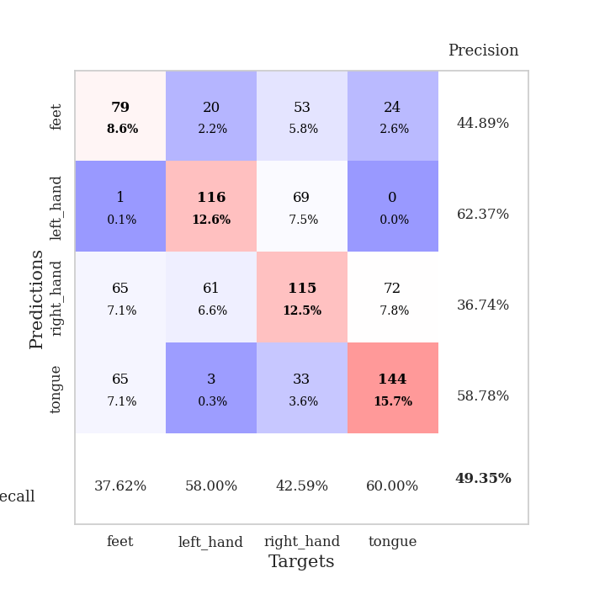
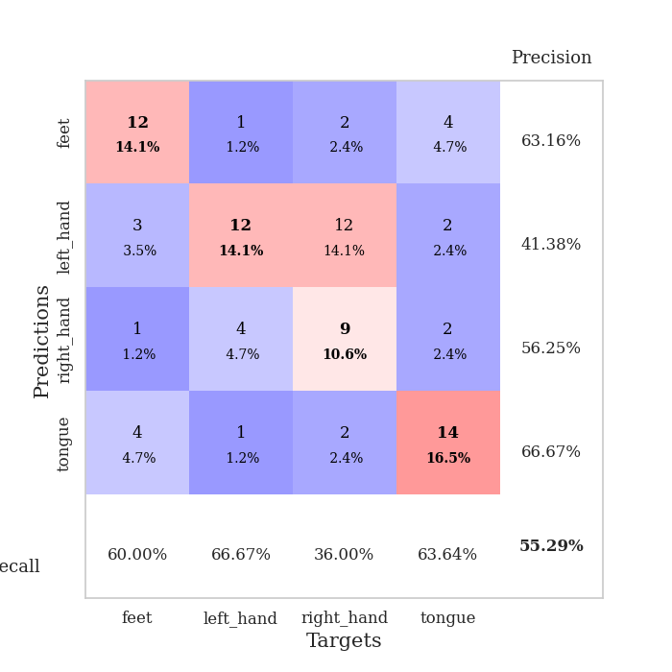

best_val_acc | best_val_los | best_test_acc
0.5 | 1.2929560983 | 0.38793103448
0.48913043478 | 1.2955941739 | 0.38793103448
0.52173913043 | 1.1486657806 | 0.49137931034
0.54347826087 | 1.2110123297 | 0.43965517241
0.46739130435 | 1.4766120444 | 0.43965517241
0.55434782609 | 1.096642603 | 0.43103448276
0.51086956522 | 1.1907544032 | 0.4224137931
0.5652173913 | 1.214673799 | 0.44827586207
0.54347826087 | 1.2852716135 | 0.4224137931
0.54347826087 | 1.2741001274 | 0.45689655172

Mean,std Val accuracy is 0.523913043478261 , 0.03150299292649876 and mean, std test accuracy is 0.43275862068965515 , 0.03089581622003589
best_val_acc | best_val_los | best_test_acc
0.5652173913 | 1.149687101 | 0.44827586207
0.52173913043 | 1.1637249719 | 0.34482758621
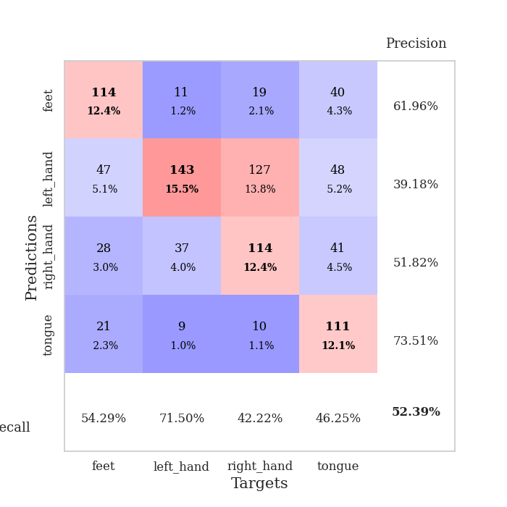
0.5 | 1.3631032135 | 0.45689655172
0.57608695652 | 1.1113171189 | 0.50862068966
0.53260869565 | 1.1247853844 | 0.44827586207
0.53260869565 | 1.1882346221 | 0.5
0.55434782609 | 1.1680178487 | 0.47413793103
0.51086956522 | 1.3310237553 | 0.40517241379
0.54347826087 | 1.1890616702 | 0.41379310345
0.51086956522 | 1.2803134011 | 0.4224137931

Mean,std Val accuracy is 0.5347826086956522 , 0.02499737436327584 and mean, std test accuracy is 0.44224137931034485 , 0.04843467310163399
best_val_acc | best_val_los | best_test_acc
0.65217391304 | 1.4211804608 | 0.73275862069
0.29347826087 | 1.4722683793 | 0.23275862069
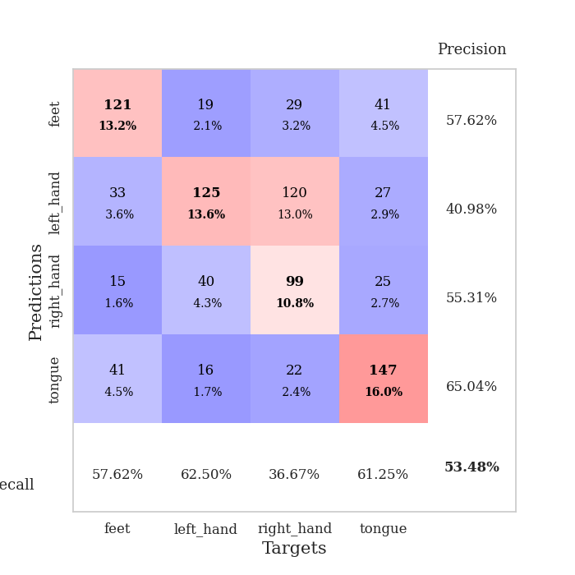
0.47826086957 | 1.4778934406 | 0.50862068966
0.38043478261 | 1.1135811754 | 0.37068965517
0.47826086957 | 1.2620458836 | 0.43965517241
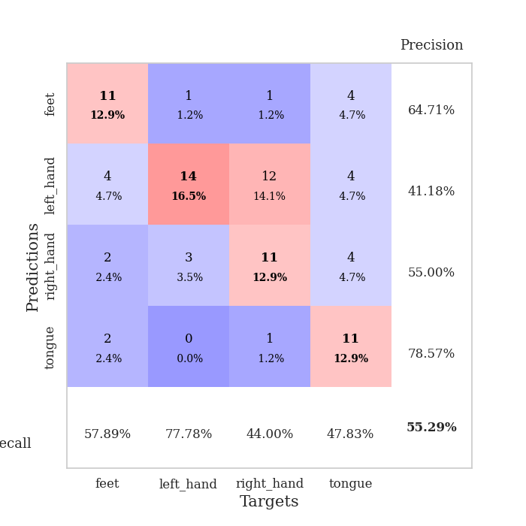
0.44565217391 | 1.1729753484 | 0.4224137931
0.22826086957 | 1.3922258045 | 0.25862068966
0.5 | 1.0668104783 | 0.50862068966
1 | 0.91342462664 | 1
0.47826086957 | 1.2859043038 | 0.50862068966

Mean,std Val accuracy is 0.49347826086956526 , 0.21288814212774074 and mean, std test accuracy is 0.49827586206896546 , 0.2261842923945879

Sheet1
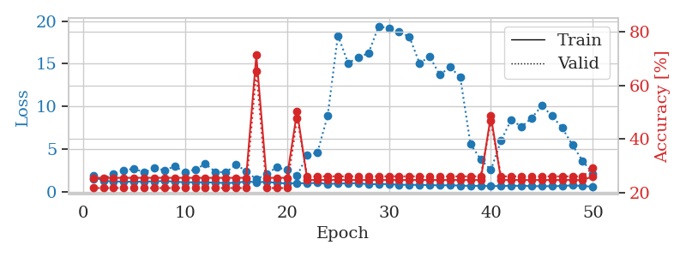
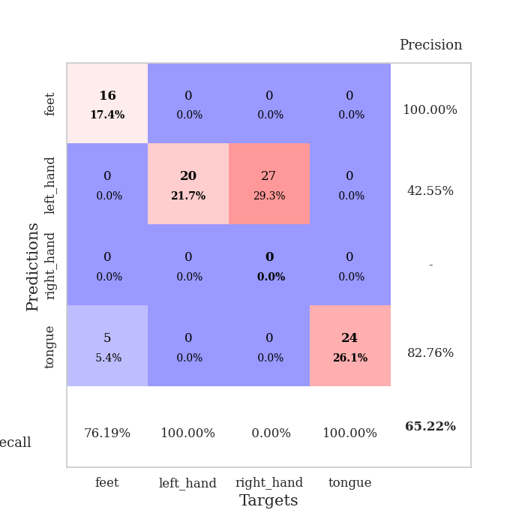
train_loss | valid_loss | train_accuracy | valid_accuracy | dur | train_misclass | valid_misclass
4.1224551823 | 8.8672644781 | 0.34239130435 | 0.29347826087 | 0.085557460785 | 34.239130435 | 29.347826087
1.5845763269 | 6.7468746849 | 0.31793478261 | 0.26086956522 | 0.083341836929 | 31.793478261 | 26.086956522
1.3676453362 | 3.8381906696 | 0.32065217391 | 0.25 | 0.083350896835 | 32.065217391 | 25
1.2081556009 | 2.0528897358 | 0.48369565217 | 0.3152173913 | 0.086569070816 | 48.369565217 | 31.52173913
1.1581520283 | 1.6011813983 | 0.51630434783 | 0.32608695652 | 0.08465385437 | 51.630434783 | 32.608695652
1.1206721197 | 1.5511702403 | 0.54891304348 | 0.36956521739 | 0.084027051926 | 54.891304348 | 36.956521739
1.0761606771 | 1.3647045726 | 0.64673913043 | 0.42391304348 | 0.08345580101 | 64.673913043 | 42.391304348
1.0304990696 | 1.3242592967 | 0.67663043478 | 0.47826086957 | 0.083250999451 | 67.663043478 | 47.826086957
1.0095229926 | 1.3124613399 | 0.61956521739 | 0.5 | 0.083411931992 | 61.956521739 | 50
0.90707107731 | 1.2929560983 | 0.65760869565 | 0.45652173913 | 0.083424091339 | 65.760869565 | 45.652173913
0.9037137809 | 1.6260936571 | 0.55706521739 | 0.38043478261 | 0.083407878876 | 55.706521739 | 38.043478261
0.90962551599 | 1.3665343886 | 0.73369565217 | 0.39130434783 | 0.085106134415 | 73.369565217 | 39.130434783
0.82667555757 | 1.2963836245 | 0.69836956522 | 0.45652173913 | 0.08345246315 | 69.836956522 | 45.652173913
0.82161442612 | 1.5817635163 | 0.54891304348 | 0.4347826087 | 0.083475112915 | 54.891304348 | 43.47826087
0.78996716764 | 1.4365626625 | 0.60054347826 | 0.4347826087 | 0.083463430405 | 60.054347826 | 43.47826087
0.75115123002 | 1.700835513 | 0.52717391304 | 0.38043478261 | 0.083266496658 | 52.717391304 | 38.043478261
0.69531520683 | 1.5391528036 | 0.63043478261 | 0.35869565217 | 0.083315134048 | 63.043478261 | 35.869565217
0.62277704477 | 1.7871383584 | 0.5597826087 | 0.36956521739 | 0.083315849304 | 55.97826087 | 36.956521739
0.56196095503 | 1.5612049777 | 0.65489130435 | 0.40217391304 | 0.083433151245 | 65.489130435 | 40.217391304
0.60446530192 | 1.7102894731 | 0.63315217391 | 0.40217391304 | 0.083374977112 | 63.315217391 | 40.217391304
0.5397551267 | 1.7864065326 | 0.60869565217 | 0.36956521739 | 0.083448886871 | 60.869565217 | 36.956521739
0.53852013077 | 1.3027512872 | 0.85326086957 | 0.45652173913 | 0.083471536636 | 85.326086957 | 45.652173913
0.54777997732 | 1.4895628276 | 0.78804347826 | 0.44565217391 | 0.083646297455 | 78.804347826 | 44.565217391
0.48505932093 | 1.5062220978 | 0.79891304348 | 0.4347826087 | 0.083571910858 | 79.891304348 | 43.47826087
0.4866587416 | 1.6739074717 | 0.73097826087 | 0.44565217391 | 0.083774805069 | 73.097826087 | 44.565217391
0.43270918144 | 1.6093303691 | 0.73913043478 | 0.42391304348 | 0.083349466324 | 73.913043478 | 42.391304348
0.43753476376 | 1.8096346648 | 0.70923913043 | 0.4347826087 | 0.083748102188 | 70.923913043 | 43.47826087
0.48887031946 | 1.5217808485 | 0.76630434783 | 0.46739130435 | 0.083545207977 | 76.630434783 | 46.739130435
0.40645577111 | 1.7994315054 | 0.72554347826 | 0.4347826087 | 0.083480119705 | 72.554347826 | 43.47826087
0.38127423369 | 1.7676476603 | 0.7527173913 | 0.4347826087 | 0.083436250687 | 75.27173913 | 43.47826087
0.36841093263 | 1.7874179094 | 0.72826086957 | 0.41304347826 | 0.083455562592 | 72.826086957 | 41.304347826
0.40716229055 | 1.9239248037 | 0.70923913043 | 0.41304347826 | 0.085083007812 | 70.923913043 | 41.304347826
0.3856316455 | 1.6827436789 | 0.79076086957 | 0.46739130435 | 0.083201885223 | 79.076086957 | 46.739130435
0.31346721591 | 1.7414763026 | 0.77717391304 | 0.45652173913 | 0.083352565765 | 77.717391304 | 45.652173913
0.33809065948 | 1.8351933852 | 0.74184782609 | 0.4347826087 | 0.083205461502 | 74.184782609 | 43.47826087
0.31795961896 | 1.8850282431 | 0.70923913043 | 0.4347826087 | 0.083369493484 | 70.923913043 | 43.47826087
0.34091141626 | 1.9788797627 | 0.68206521739 | 0.41304347826 | 0.083275556564 | 68.206521739 | 41.304347826
0.29254265713 | 1.8993840995 | 0.72282608696 | 0.4347826087 | 0.08318567276 | 72.282608696 | 43.47826087
0.30963038005 | 1.9237083352 | 0.71467391304 | 0.46739130435 | 0.083214998245 | 71.467391304 | 46.739130435
0.34798053344 | 1.7032302618 | 0.8097826087 | 0.45652173913 | 0.083353996277 | 80.97826087 | 45.652173913
0.31687053649 | 1.7405193578 | 0.79619565217 | 0.44565217391 | 0.083206176758 | 79.619565217 | 44.565217391
0.29861668303 | 1.747297769 | 0.79076086957 | 0.44565217391 | 0.083462953568 | 79.076086957 | 44.565217391
0.27602722399 | 1.7284116641 | 0.80706521739 | 0.45652173913 | 0.083159446716 | 80.706521739 | 45.652173913
0.29244605355 | 1.7129066457 | 0.80434782609 | 0.44565217391 | 0.086884975433 | 80.434782609 | 44.565217391
0.24948808324 | 1.7257112057 | 0.8097826087 | 0.42391304348 | 0.084668397903 | 80.97826087 | 42.391304348
0.29141617307 | 1.7374513512 | 0.80434782609 | 0.4347826087 | 0.083778142929 | 80.434782609 | 43.47826087
0.29628513527 | 1.7285525384 | 0.81793478261 | 0.45652173913 | 0.083265304565 | 81.793478261 | 45.652173913
0.27591660878 | 1.7192968337 | 0.82336956522 | 0.46739130435 | 0.084065198898 | 82.336956522 | 46.739130435
0.26445455298 | 1.7122229441 | 0.82880434783 | 0.46739130435 | 0.084692716599 | 82.880434783 | 46.739130435
0.29366213083 | 1.7036272339 | 0.82880434783 | 0.46739130435 | 0.084572792053 | 82.880434783 | 46.739130435

Best Val accuracy is 0.5 and Best test accuracy is 0.3879310344827586
train_loss | valid_loss | train_accuracy | valid_accuracy | dur | train_misclass | valid_misclass
3.7549697524 | 7.2420549185 | 0.2472826087 | 0.26086956522 | 0.08190369606 | 24.72826087 | 26.086956522
1.6565990396 | 3.0038883064 | 0.2472826087 | 0.26086956522 | 0.082046747208 | 24.72826087 | 26.086956522
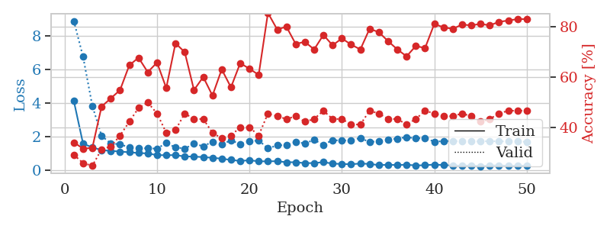
1.3528724391 | 2.6085804234 | 0.26358695652 | 0.26086956522 | 0.084228754044 | 26.358695652 | 26.086956522
1.2772036532 | 1.8031804095 | 0.40489130435 | 0.36956521739 | 0.08355140686 | 40.489130435 | 36.956521739
1.1769066479 | 1.4445508822 | 0.57336956522 | 0.46739130435 | 0.082672834396 | 57.336956522 | 46.739130435
1.0261717542 | 1.1655877492 | 0.66304347826 | 0.48913043478 | 0.082305669785 | 66.304347826 | 48.913043478
0.98632029606 | 1.149687101 | 0.70108695652 | 0.52173913043 | 0.082473516464 | 70.108695652 | 52.173913043
0.86529089187 | 1.2434840617 | 0.73641304348 | 0.51086956522 | 0.082028150558 | 73.641304348 | 51.086956522
0.81773235487 | 1.5332580701 | 0.67934782609 | 0.44565217391 | 0.083040714264 | 67.934782609 | 44.565217391
0.77287583247 | 1.172657539 | 0.77717391304 | 0.5652173913 | 0.080687522888 | 77.717391304 | 56.52173913
0.80382830423 | 1.2882578814 | 0.79619565217 | 0.51086956522 | 0.080911159515 | 79.619565217 | 51.086956522
0.7524088064 | 1.4874932092 | 0.73369565217 | 0.46739130435 | 0.080867528915 | 73.369565217 | 46.739130435
0.68154863041 | 1.2943154599 | 0.8097826087 | 0.5 | 0.080739736557 | 80.97826087 | 50
0.6073691521 | 1.4924573121 | 0.77717391304 | 0.46739130435 | 0.080782651901 | 77.717391304 | 46.739130435
0.59117243471 | 1.4559706294 | 0.78532608696 | 0.48913043478 | 0.080788135529 | 78.532608696 | 48.913043478
0.55982504332 | 1.3952931969 | 0.83695652174 | 0.46739130435 | 0.080675601959 | 83.695652174 | 46.739130435
0.55359512956 | 1.4450383912 | 0.8152173913 | 0.53260869565 | 0.080630064011 | 81.52173913 | 53.260869565
0.52941622682 | 1.3414729263 | 0.86413043478 | 0.53260869565 | 0.080700159073 | 86.413043478 | 53.260869565
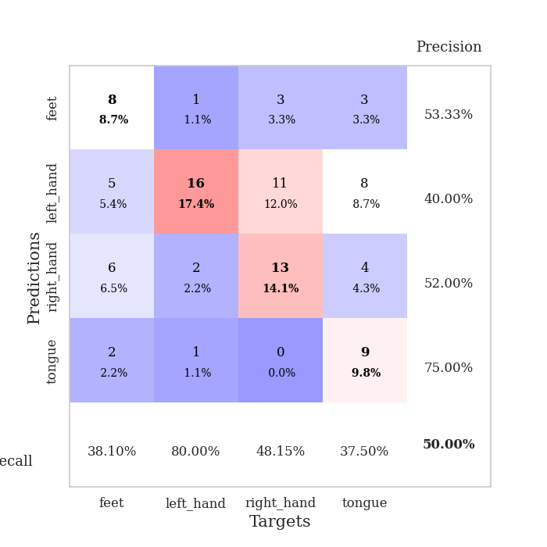
0.53890159856 | 1.4042457498 | 0.85326086957 | 0.5 | 0.080523252487 | 85.326086957 | 50
0.4825266794 | 1.5307129 | 0.86413043478 | 0.47826086957 | 0.080683231354 | 86.413043478 | 47.826086957
0.43198964518 | 1.4831941024 | 0.88586956522 | 0.52173913043 | 0.080533266068 | 88.586956522 | 52.173913043
0.41061327574 | 1.4930439669 | 0.9375 | 0.51086956522 | 0.08074259758 | 93.75 | 51.086956522
0.42154081878 | 1.6072720134 | 0.83423913043 | 0.5 | 0.080740690231 | 83.423913043 | 50
0.36489540922 | 1.6430869984 | 0.81793478261 | 0.52173913043 | 0.080651283264 | 81.793478261 | 52.173913043
0.40512420658 | 1.5693036421 | 0.93206521739 | 0.5 | 0.080655097961 | 93.206521739 | 50
0.35941419912 | 1.7454654393 | 0.8722826087 | 0.47826086957 | 0.080729007721 | 87.22826087 | 47.826086957
0.36703583663 | 1.7481043805 | 0.86684782609 | 0.47826086957 | 0.080805778503 | 86.684782609 | 47.826086957
0.36655195576 | 1.6597206333 | 0.875 | 0.51086956522 | 0.080785989761 | 87.5 | 51.086956522
0.32217865405 | 1.8282650398 | 0.8125 | 0.48913043478 | 0.08070397377 | 81.25 | 48.913043478
0.32144148745 | 1.6662922216 | 0.88315217391 | 0.48913043478 | 0.080919504166 | 88.315217391 | 48.913043478
0.30057092076 | 1.7127446921 | 0.90760869565 | 0.52173913043 | 0.080723285675 | 90.760869565 | 52.173913043
0.27850368749 | 1.7626101608 | 0.85326086957 | 0.5 | 0.080673933029 | 85.326086957 | 50
0.29082111836 | 1.7030468143 | 0.90489130435 | 0.48913043478 | 0.080696821213 | 90.489130435 | 48.913043478
0.2723623566 | 1.6678174112 | 0.91032608696 | 0.48913043478 | 0.080901622772 | 91.032608696 | 48.913043478
0.27753608058 | 1.8316462921 | 0.83423913043 | 0.47826086957 | 0.082576274872 | 83.423913043 | 47.826086957
0.25885245933 | 1.8458205099 | 0.85326086957 | 0.5 | 0.080707073212 | 85.326086957 | 50
0.23237147441 | 1.6637162955 | 0.90217391304 | 0.52173913043 | 0.084320783615 | 90.217391304 | 52.173913043
0.2578520046 | 1.6259048037 | 0.94836956522 | 0.52173913043 | 0.080990552902 | 94.836956522 | 52.173913043
0.25677643522 | 1.6860541105 | 0.92119565217 | 0.5 | 0.087113857269 | 92.119565217 | 50
0.19789726805 | 1.7908256935 | 0.91032608696 | 0.51086956522 | 0.081240415573 | 91.032608696 | 51.086956522
0.22333077568 | 1.8008492304 | 0.92391304348 | 0.5 | 0.080785989761 | 92.391304348 | 50
0.250357451 | 1.7994350299 | 0.91576086957 | 0.5 | 0.080772638321 | 91.576086957 | 50
0.22622610127 | 1.8018504381 | 0.91304347826 | 0.5 | 0.08065199852 | 91.304347826 | 50
0.20639548872 | 1.7710563307 | 0.91032608696 | 0.48913043478 | 0.08089017868 | 91.032608696 | 48.913043478
0.20308368685 | 1.775639788 | 0.91032608696 | 0.48913043478 | 0.080773591995 | 91.032608696 | 48.913043478
0.22895804728 | 1.7793457664 | 0.91304347826 | 0.48913043478 | 0.080864191055 | 91.304347826 | 48.913043478
0.22685054819 | 1.7775559581 | 0.91304347826 | 0.48913043478 | 0.080932617188 | 91.304347826 | 48.913043478
0.27138089032 | 1.7769239208 | 0.91576086957 | 0.48913043478 | 0.080859899521 | 91.576086957 | 48.913043478
0.23039128518 | 1.775908947 | 0.91576086957 | 0.48913043478 | 0.08060336113 | 91.576086957 | 48.913043478
0.17935325675 | 1.7738908322 | 0.91576086957 | 0.48913043478 | 0.080589532852 | 91.576086957 | 48.913043478

Best Val accuracy is 0.5652173913043478 and Best test accuracy is 0.4482758620689655
train_loss | valid_loss | train_accuracy | valid_accuracy | dur | train_misclass | valid_misclass
1.8681369398 | 1.5054806056 | 0.25543478261 | 0.21739130435 | 0.21071815491 | 25.543478261 | 21.739130435
1.2263335845 | 1.4867819962 | 0.25543478261 | 0.21739130435 | 0.21026325226 | 25.543478261 | 21.739130435
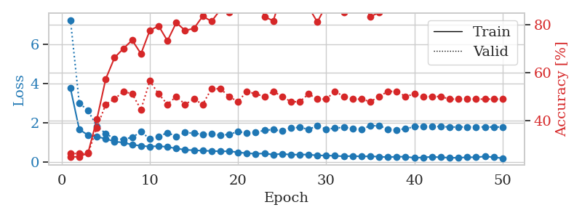
1.1987495034 | 2.0772207198 | 0.25543478261 | 0.21739130435 | 0.21039628983 | 25.543478261 | 21.739130435
1.1521488817 | 2.4453024761 | 0.25543478261 | 0.21739130435 | 0.20721101761 | 25.543478261 | 21.739130435
1.159399328 | 2.7039664828 | 0.25543478261 | 0.21739130435 | 0.21041941643 | 25.543478261 | 21.739130435
1.1629471235 | 2.2361875099 | 0.25543478261 | 0.21739130435 | 0.20940899849 | 25.543478261 | 21.739130435
1.1977326922 | 2.7436077284 | 0.25543478261 | 0.21739130435 | 0.21191692352 | 25.543478261 | 21.739130435
1.2296804734 | 2.5157945467 | 0.25543478261 | 0.21739130435 | 0.20605778694 | 25.543478261 | 21.739130435
1.1613077703 | 2.942071075 | 0.25543478261 | 0.21739130435 | 0.21061205864 | 25.543478261 | 21.739130435
1.080801658 | 2.2943394184 | 0.25543478261 | 0.21739130435 | 0.20937371254 | 25.543478261 | 21.739130435
1.0999775892 | 2.5701765807 | 0.25543478261 | 0.21739130435 | 0.21045541763 | 25.543478261 | 21.739130435
1.0838881472 | 3.2459176416 | 0.25543478261 | 0.21739130435 | 0.20916104317 | 25.543478261 | 21.739130435
1.0482975193 | 2.3074457645 | 0.25543478261 | 0.21739130435 | 0.2095477581 | 25.543478261 | 21.739130435
1.0062162824 | 2.2547963909 | 0.25543478261 | 0.21739130435 | 0.20954871178 | 25.543478261 | 21.739130435
1.0272864596 | 3.1296998314 | 0.25543478261 | 0.21739130435 | 0.20991492271 | 25.543478261 | 21.739130435
1.1885312381 | 2.4157852505 | 0.25543478261 | 0.21739130435 | 0.20601820946 | 25.543478261 | 21.739130435
1.1023698371 | 1.4211804608 | 0.71195652174 | 0.65217391304 | 0.21161627769 | 71.195652174 | 65.217391304
1.1300709792 | 2.058547559 | 0.25543478261 | 0.21739130435 | 0.21292257309 | 25.543478261 | 21.739130435
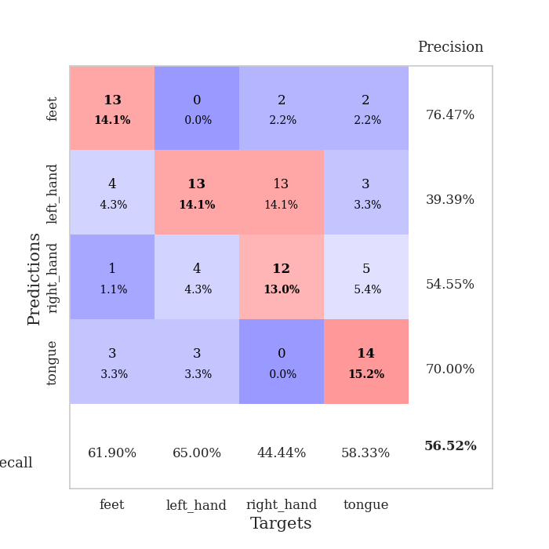
1.0287415282 | 2.8468762377 | 0.25543478261 | 0.21739130435 | 0.20893859863 | 25.543478261 | 21.739130435
0.94722896296 | 2.5251181644 | 0.25543478261 | 0.21739130435 | 0.21205377579 | 25.543478261 | 21.739130435
0.98539869682 | 1.8736126112 | 0.5027173913 | 0.47826086957 | 0.21099305153 | 50.27173913 | 47.826086957
0.9694544051 | 4.2673330929 | 0.2472826087 | 0.26086956522 | 0.21378207207 | 24.72826087 | 26.086956522
1.013076536 | 4.5911307231 | 0.2472826087 | 0.26086956522 | 0.21364617348 | 24.72826087 | 26.086956522
0.89391813848 | 8.92727261 | 0.2472826087 | 0.26086956522 | 0.21152758598 | 24.72826087 | 26.086956522
0.93679136038 | 18.297469512 | 0.2472826087 | 0.26086956522 | 0.20934438705 | 24.72826087 | 26.086956522
0.96337793184 | 15.080194556 | 0.2472826087 | 0.26086956522 | 0.20989084244 | 24.72826087 | 26.086956522
0.98321049369 | 15.742223491 | 0.2472826087 | 0.26086956522 | 0.21258425713 | 24.72826087 | 26.086956522
0.85179927556 | 16.226787401 | 0.2472826087 | 0.26086956522 | 0.21373438835 | 24.72826087 | 26.086956522
0.87703883518 | 19.404095442 | 0.2472826087 | 0.26086956522 | 0.21203374863 | 24.72826087 | 26.086956522
0.8813257632 | 19.129264914 | 0.2472826087 | 0.26086956522 | 0.20911335945 | 24.72826087 | 26.086956522
0.78565074179 | 18.708449986 | 0.2472826087 | 0.26086956522 | 0.21062469482 | 24.72826087 | 26.086956522
0.7982469849 | 18.173751292 | 0.2472826087 | 0.26086956522 | 0.2106153965 | 24.72826087 | 26.086956522
0.77097632315 | 15.061702272 | 0.2472826087 | 0.26086956522 | 0.21176338196 | 24.72826087 | 26.086956522
0.76389778697 | 15.822652029 | 0.2472826087 | 0.26086956522 | 0.20917534828 | 24.72826087 | 26.086956522
0.71615443152 | 13.681079906 | 0.2472826087 | 0.26086956522 | 0.21236395836 | 24.72826087 | 26.086956522
0.7451569425 | 14.622411811 | 0.2472826087 | 0.26086956522 | 0.20834994316 | 24.72826087 | 26.086956522
0.69433192585 | 13.392826951 | 0.2472826087 | 0.26086956522 | 0.20883107185 | 24.72826087 | 26.086956522
0.66133069215 | 5.5693865859 | 0.2472826087 | 0.26086956522 | 0.21316385269 | 24.72826087 | 26.086956522
0.66670488145 | 3.7829814268 | 0.2472826087 | 0.26086956522 | 0.20874524117 | 24.72826087 | 26.086956522
0.64015806758 | 2.5257971909 | 0.48641304348 | 0.46739130435 | 0.2118806839 | 48.641304348 | 46.739130435
0.63998281437 | 5.9799642356 | 0.2472826087 | 0.26086956522 | 0.20995259285 | 24.72826087 | 26.086956522
0.67954683563 | 8.4449363584 | 0.2472826087 | 0.26086956522 | 0.21014761925 | 24.72826087 | 26.086956522
0.66151504672 | 7.5767698703 | 0.2472826087 | 0.26086956522 | 0.21214771271 | 24.72826087 | 26.086956522
0.63702792577 | 8.6280462016 | 0.2472826087 | 0.26086956522 | 0.20785188675 | 24.72826087 | 26.086956522
0.61826296475 | 10.065343318 | 0.2472826087 | 0.26086956522 | 0.21183800697 | 24.72826087 | 26.086956522
0.62695197178 | 8.8712005615 | 0.2472826087 | 0.26086956522 | 0.20948719978 | 24.72826087 | 26.086956522
0.6500909471 | 7.457697972 | 0.2472826087 | 0.26086956522 | 0.21020483971 | 24.72826087 | 26.086956522
0.72861628947 | 5.4447836669 | 0.2472826087 | 0.26086956522 | 0.21000289917 | 24.72826087 | 26.086956522
0.64317523526 | 3.5979794316 | 0.2472826087 | 0.26086956522 | 0.20859003067 | 24.72826087 | 26.086956522
0.57252339047 | 2.0901116392 | 0.26086956522 | 0.29347826087 | 0.21028161049 | 26.086956522 | 29.347826087

Best Val accuracy is 0.6521739130434783 and Best test accuracy is 0.7327586206896551

Sheet2
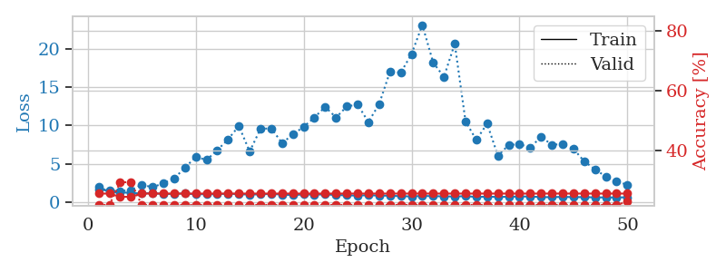
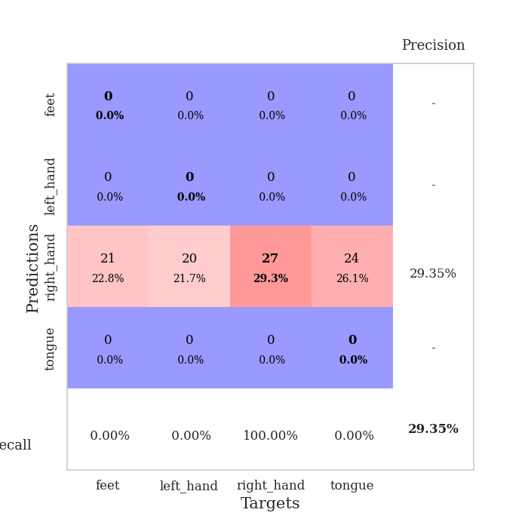
train_loss | valid_loss | train_accuracy | valid_accuracy | dur | train_misclass | valid_misclass
3.4019438702 | 3.5321278987 | 0.25543478261 | 0.22826086957 | 0.086315870285 | 25.543478261 | 22.826086957
1.7751424209 | 3.3007172294 | 0.2472826087 | 0.26086956522 | 0.08403968811 | 24.72826087 | 26.086956522
1.4480421025 | 2.1722541996 | 0.33423913043 | 0.29347826087 | 0.083685159683 | 33.423913043 | 29.347826087
1.2383136283 | 1.6417537202 | 0.46467391304 | 0.29347826087 | 0.083378553391 | 46.467391304 | 29.347826087
1.2068008573 | 1.5465508751 | 0.50543478261 | 0.30434782609 | 0.083053350449 | 50.543478261 | 30.434782609
1.1621016316 | 1.358236769 | 0.58695652174 | 0.35869565217 | 0.083470344543 | 58.695652174 | 35.869565217
1.0376484783 | 1.2955941739 | 0.64130434783 | 0.39130434783 | 0.083445072174 | 64.130434783 | 39.130434783
1.007649445 | 1.3052598549 | 0.67663043478 | 0.38043478261 | 0.083126306534 | 67.663043478 | 38.043478261
0.97072899342 | 1.4582506107 | 0.63043478261 | 0.39130434783 | 0.083372831345 | 63.043478261 | 39.130434783
0.95720603414 | 1.5160804158 | 0.6847826087 | 0.34782608696 | 0.083247900009 | 68.47826087 | 34.782608696
0.92405587176 | 1.5389629084 | 0.61684782609 | 0.36956521739 | 0.083283901215 | 61.684782609 | 36.956521739
0.85160123784 | 1.7063629835 | 0.67934782609 | 0.34782608696 | 0.083054542542 | 67.934782609 | 34.782608696
0.84383812806 | 1.4934806565 | 0.70652173913 | 0.39130434783 | 0.083166599274 | 70.652173913 | 39.130434783
0.72443301911 | 1.3385979896 | 0.79891304348 | 0.40217391304 | 0.083243131638 | 79.891304348 | 40.217391304
0.7003595531 | 1.4329835902 | 0.77989130435 | 0.40217391304 | 0.083558320999 | 77.989130435 | 40.217391304
0.65287640432 | 1.647723737 | 0.72826086957 | 0.35869565217 | 0.083374977112 | 72.826086957 | 35.869565217
0.62271489268 | 1.4625592595 | 0.84782608696 | 0.4347826087 | 0.083112955093 | 84.782608696 | 43.47826087
0.66532831607 | 1.4561649354 | 0.79619565217 | 0.48913043478 | 0.083426952362 | 79.619565217 | 48.913043478
0.58595819447 | 1.5845675054 | 0.76358695652 | 0.42391304348 | 0.083371400833 | 76.358695652 | 42.391304348
0.5370057614 | 1.912561598 | 0.70923913043 | 0.40217391304 | 0.083330392838 | 70.923913043 | 40.217391304
0.55072216625 | 1.6689097726 | 0.77173913043 | 0.42391304348 | 0.083191633224 | 77.173913043 | 42.391304348
0.47491362561 | 1.7159176495 | 0.77173913043 | 0.4347826087 | 0.083317756653 | 77.173913043 | 43.47826087
0.536065169 | 1.68393473 | 0.77445652174 | 0.42391304348 | 0.085728406906 | 77.445652174 | 42.391304348
0.51009909096 | 1.8497938021 | 0.75543478261 | 0.42391304348 | 0.08326625824 | 75.543478261 | 42.391304348
0.46606924093 | 1.5914234545 | 0.84239130435 | 0.42391304348 | 0.083039283752 | 84.239130435 | 42.391304348
0.44069002957 | 1.7436056966 | 0.76630434783 | 0.44565217391 | 0.083087444305 | 76.630434783 | 44.565217391
0.47596849372 | 1.6356299805 | 0.77445652174 | 0.41304347826 | 0.082947254181 | 77.445652174 | 41.304347826
0.40062987221 | 2.0996398822 | 0.6875 | 0.38043478261 | 0.083187818527 | 68.75 | 38.043478261
0.40290969805 | 1.7341690115 | 0.8125 | 0.42391304348 | 0.083240509033 | 81.25 | 42.391304348
0.33305171326 | 1.915140012 | 0.75543478261 | 0.4347826087 | 0.083280086517 | 75.543478261 | 43.47826087
0.4703469704 | 1.9589593566 | 0.70108695652 | 0.41304347826 | 0.083014011383 | 70.108695652 | 41.304347826
0.41691825604 | 1.8931886994 | 0.77989130435 | 0.44565217391 | 0.083350419998 | 77.989130435 | 44.565217391
0.39054767528 | 1.9366664886 | 0.77717391304 | 0.4347826087 | 0.082784891129 | 77.717391304 | 43.47826087
0.3954960205 | 1.9182497781 | 0.78532608696 | 0.41304347826 | 0.082829236984 | 78.532608696 | 41.304347826
0.37087276902 | 1.8267574569 | 0.8097826087 | 0.41304347826 | 0.082966804504 | 80.97826087 | 41.304347826
0.33826486054 | 1.9743450206 | 0.75 | 0.42391304348 | 0.083231687546 | 75 | 42.391304348
0.32946366396 | 2.0076804161 | 0.77445652174 | 0.42391304348 | 0.083163499832 | 77.445652174 | 42.391304348
0.35435944666 | 1.998720506 | 0.7472826087 | 0.41304347826 | 0.083751440048 | 74.72826087 | 41.304347826
0.33739310568 | 2.0474212584 | 0.73913043478 | 0.41304347826 | 0.083163976669 | 73.913043478 | 41.304347826
0.3630886188 | 2.0590287084 | 0.72282608696 | 0.40217391304 | 0.083167076111 | 72.282608696 | 40.217391304
0.37167654478 | 2.1107334572 | 0.71739130435 | 0.40217391304 | 0.083213806152 | 71.739130435 | 40.217391304
0.3360607637 | 2.0346602823 | 0.75 | 0.41304347826 | 0.083163976669 | 75 | 41.304347826
0.34984267527 | 1.9984667457 | 0.76630434783 | 0.4347826087 | 0.083167314529 | 76.630434783 | 43.47826087
0.30900747232 | 2.0051936067 | 0.76902173913 | 0.41304347826 | 0.083119630814 | 76.902173913 | 41.304347826
0.3234478449 | 2.021288001 | 0.75543478261 | 0.41304347826 | 0.083036422729 | 75.543478261 | 41.304347826
0.32846044943 | 2.0123723227 | 0.76630434783 | 0.41304347826 | 0.083215713501 | 76.630434783 | 41.304347826
0.33252613635 | 1.9997962869 | 0.76902173913 | 0.41304347826 | 0.083328962326 | 76.902173913 | 41.304347826
0.3065915166 | 1.991260938 | 0.76902173913 | 0.41304347826 | 0.083147525787 | 76.902173913 | 41.304347826
0.29945131974 | 1.985908669 | 0.76902173913 | 0.41304347826 | 0.083214759827 | 76.902173913 | 41.304347826
0.30818210218 | 1.9809254149 | 0.76902173913 | 0.41304347826 | 0.083057403564 | 76.902173913 | 41.304347826

Best Val accuracy is 0.4891304347826087 and Best test accuracy is 0.3879310344827586
train_loss | valid_loss | train_accuracy | valid_accuracy | dur | train_misclass | valid_misclass
4.7941640875 | 15.156035299 | 0.32608695652 | 0.32608695652 | 0.082887172699 | 32.608695652 | 32.608695652
1.8564078393 | 4.2274765035 | 0.3097826087 | 0.28260869565 | 0.080808401108 | 30.97826087 | 28.260869565
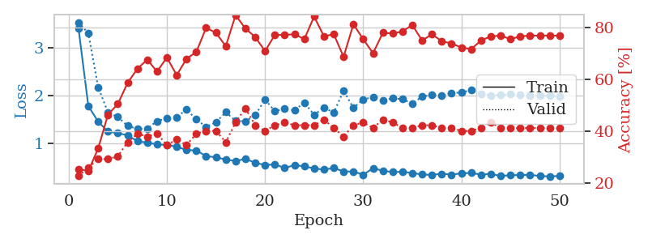
1.3101909472 | 2.9901462223 | 0.36141304348 | 0.3152173913 | 0.080545186996 | 36.141304348 | 31.52173913
1.2258483716 | 1.8313836067 | 0.42391304348 | 0.34782608696 | 0.080848932266 | 42.391304348 | 34.782608696
1.1292439259 | 1.4705286803 | 0.51902173913 | 0.4347826087 | 0.080605506897 | 51.902173913 | 43.47826087
1.070685296 | 1.2037514552 | 0.64130434783 | 0.52173913043 | 0.08075594902 | 64.130434783 | 52.173913043
1.029625903 | 1.1637249719 | 0.63315217391 | 0.47826086957 | 0.080664396286 | 63.315217391 | 47.826086957
1.0171759129 | 1.3617319231 | 0.63315217391 | 0.42391304348 | 0.080590963364 | 63.315217391 | 42.391304348
0.93495564875 | 1.4160273334 | 0.65217391304 | 0.39130434783 | 0.080658435822 | 65.217391304 | 39.130434783
0.95121540971 | 1.3415893575 | 0.67934782609 | 0.42391304348 | 0.080890417099 | 67.934782609 | 42.391304348
0.91887299393 | 1.3912209013 | 0.58695652174 | 0.4347826087 | 0.080735445023 | 58.695652174 | 43.47826087
0.90429925919 | 1.1640460854 | 0.74184782609 | 0.51086956522 | 0.080667257309 | 74.184782609 | 51.086956522
0.79075397098 | 1.2227218462 | 0.72826086957 | 0.46739130435 | 0.080679893494 | 72.826086957 | 46.739130435
0.73476289407 | 1.3521385918 | 0.66304347826 | 0.45652173913 | 0.080699205399 | 66.304347826 | 45.652173913
0.71638238171 | 1.2602671126 | 0.73641304348 | 0.45652173913 | 0.080649852753 | 73.641304348 | 45.652173913
0.72937509547 | 1.3982642578 | 0.70652173913 | 0.42391304348 | 0.080707550049 | 70.652173913 | 42.391304348
0.68626292892 | 1.3383403291 | 0.75 | 0.45652173913 | 0.080737352371 | 75 | 45.652173913
0.66065452799 | 1.4230555192 | 0.63858695652 | 0.45652173913 | 0.080651760101 | 63.858695652 | 45.652173913
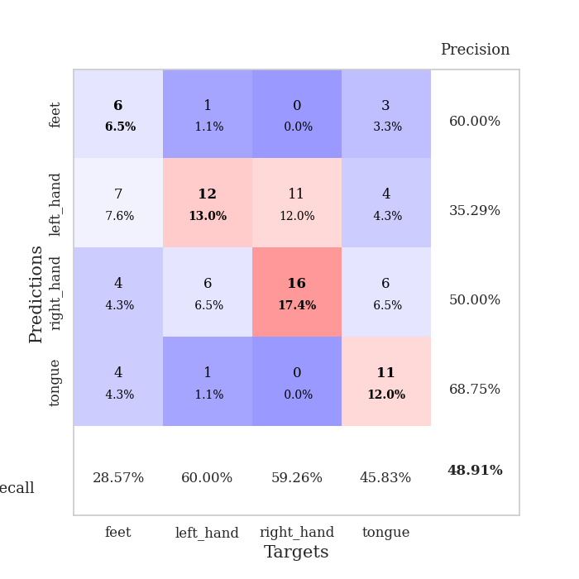
0.62992526008 | 1.3317859173 | 0.82608695652 | 0.52173913043 | 0.080494642258 | 82.608695652 | 52.173913043
0.64001872358 | 1.5770776531 | 0.65489130435 | 0.42391304348 | 0.080593585968 | 65.489130435 | 42.391304348
0.63265043756 | 1.3683667235 | 0.77445652174 | 0.45652173913 | 0.080563306808 | 77.445652174 | 45.652173913
0.50294338102 | 1.5062944267 | 0.6875 | 0.44565217391 | 0.080573797226 | 68.75 | 44.565217391
0.53482662595 | 1.4138923676 | 0.79347826087 | 0.45652173913 | 0.08070397377 | 79.347826087 | 45.652173913
0.51157477757 | 1.3436374716 | 0.8722826087 | 0.45652173913 | 0.080429553986 | 87.22826087 | 45.652173913
0.46114117361 | 1.3703992833 | 0.8777173913 | 0.44565217391 | 0.080684423447 | 87.77173913 | 44.565217391
0.42639143441 | 1.3307492785 | 0.92119565217 | 0.5 | 0.080729722977 | 92.119565217 | 50
0.48332102597 | 1.4864079797 | 0.82608695652 | 0.39130434783 | 0.080717802048 | 82.608695652 | 39.130434783
0.39681533109 | 1.4455635548 | 0.85597826087 | 0.41304347826 | 0.082630395889 | 85.597826087 | 41.304347826
0.41976193825 | 1.2867929884 | 0.93206521739 | 0.5 | 0.08152961731 | 93.206521739 | 50
0.36848863895 | 1.438888244 | 0.9347826087 | 0.48913043478 | 0.081520557404 | 93.47826087 | 48.913043478
0.40334634418 | 1.5143457236 | 0.88858695652 | 0.44565217391 | 0.081990242004 | 88.858695652 | 44.565217391
0.36257912737 | 1.4355651244 | 0.92663043478 | 0.45652173913 | 0.081919670105 | 92.663043478 | 45.652173913
0.32748816843 | 1.4883378796 | 0.91576086957 | 0.46739130435 | 0.08199763298 | 91.576086957 | 46.739130435
0.42434867698 | 1.4554122168 | 0.92119565217 | 0.48913043478 | 0.08208489418 | 92.119565217 | 48.913043478
0.36384379993 | 1.4318596384 | 0.9375 | 0.47826086957 | 0.081762075424 | 93.75 | 47.826086957
0.33120790254 | 1.451512259 | 0.92663043478 | 0.5 | 0.081914186478 | 92.663043478 | 50
0.39460046395 | 1.4708180065 | 0.92934782609 | 0.48913043478 | 0.081969976425 | 92.934782609 | 48.913043478
0.28620600182 | 1.446941837 | 0.95108695652 | 0.48913043478 | 0.081954479218 | 95.108695652 | 48.913043478
0.3142825553 | 1.4949544565 | 0.94836956522 | 0.47826086957 | 0.08198261261 | 94.836956522 | 47.826086957
0.31972878491 | 1.4939718195 | 0.94565217391 | 0.47826086957 | 0.082096576691 | 94.565217391 | 47.826086957
0.26895847366 | 1.4607115362 | 0.95923913043 | 0.48913043478 | 0.082097053528 | 95.923913043 | 48.913043478
0.41021051452 | 1.4418600487 | 0.96739130435 | 0.47826086957 | 0.08203125 | 96.739130435 | 47.826086957
0.33918504611 | 1.4735764472 | 0.96739130435 | 0.46739130435 | 0.081944227219 | 96.739130435 | 46.739130435
0.34025000295 | 1.478222479 | 0.97010869565 | 0.46739130435 | 0.081858158112 | 97.010869565 | 46.739130435
0.27358615269 | 1.4612445417 | 0.97010869565 | 0.47826086957 | 0.082077741623 | 97.010869565 | 47.826086957
0.34014289697 | 1.4540065942 | 0.97282608696 | 0.47826086957 | 0.082434892654 | 97.282608696 | 47.826086957
0.26564766013 | 1.4555301925 | 0.97282608696 | 0.47826086957 | 0.082062005997 | 97.282608696 | 47.826086957
0.31254466429 | 1.4531254043 | 0.97282608696 | 0.47826086957 | 0.08190202713 | 97.282608696 | 47.826086957
0.33076638858 | 1.4505562627 | 0.97282608696 | 0.47826086957 | 0.082053661346 | 97.282608696 | 47.826086957
0.29020504977 | 1.4483780809 | 0.97282608696 | 0.47826086957 | 0.081877231598 | 97.282608696 | 47.826086957

Best Val accuracy is 0.5217391304347826 and Best test accuracy is 0.3448275862068966
train_loss | valid_loss | train_accuracy | valid_accuracy | dur | train_misclass | valid_misclass
2.0672205427 | 1.6832166288 | 0.25543478261 | 0.21739130435 | 0.20973587036 | 25.543478261 | 21.739130435
1.3012208265 | 1.5133798382 | 0.25543478261 | 0.21739130435 | 0.21176123619 | 25.543478261 | 21.739130435
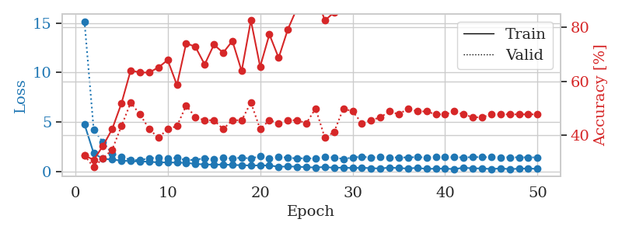
1.3066898222 | 1.4722683793 | 0.24456521739 | 0.29347826087 | 0.20789718628 | 24.456521739 | 29.347826087
1.2201074751 | 1.59451876 | 0.24456521739 | 0.29347826087 | 0.21243309975 | 24.456521739 | 29.347826087
1.1451104413 | 2.2835144686 | 0.25543478261 | 0.21739130435 | 0.21133184433 | 25.543478261 | 21.739130435
1.2036641629 | 1.9655051957 | 0.25543478261 | 0.21739130435 | 0.20999288559 | 25.543478261 | 21.739130435
1.0760498954 | 2.4773669761 | 0.25543478261 | 0.21739130435 | 0.21227002144 | 25.543478261 | 21.739130435
1.1017564095 | 3.1041076805 | 0.25543478261 | 0.21739130435 | 0.21026992798 | 25.543478261 | 21.739130435
1.1552747229 | 4.5044341087 | 0.25543478261 | 0.21739130435 | 0.21016287804 | 25.543478261 | 21.739130435
1.0384467892 | 5.9107735883 | 0.25543478261 | 0.21739130435 | 0.21103000641 | 25.543478261 | 21.739130435
1.0727787614 | 5.5082327179 | 0.25543478261 | 0.21739130435 | 0.20991039276 | 25.543478261 | 21.739130435
1.0483041794 | 6.7892229868 | 0.25543478261 | 0.21739130435 | 0.21209955215 | 25.543478261 | 21.739130435
1.1356403387 | 8.1986419014 | 0.25543478261 | 0.21739130435 | 0.21257662773 | 25.543478261 | 21.739130435
1.0473450163 | 9.9375117758 | 0.25543478261 | 0.21739130435 | 0.20951747894 | 25.543478261 | 21.739130435
1.0155037564 | 6.6048357383 | 0.25543478261 | 0.21739130435 | 0.20918130875 | 25.543478261 | 21.739130435
1.0329350881 | 9.5613705179 | 0.25543478261 | 0.21739130435 | 0.21109938622 | 25.543478261 | 21.739130435
1.101693099 | 9.6320204113 | 0.25543478261 | 0.21739130435 | 0.20934104919 | 25.543478261 | 21.739130435
1.0083412943 | 7.7103441073 | 0.25543478261 | 0.21739130435 | 0.21010971069 | 25.543478261 | 21.739130435
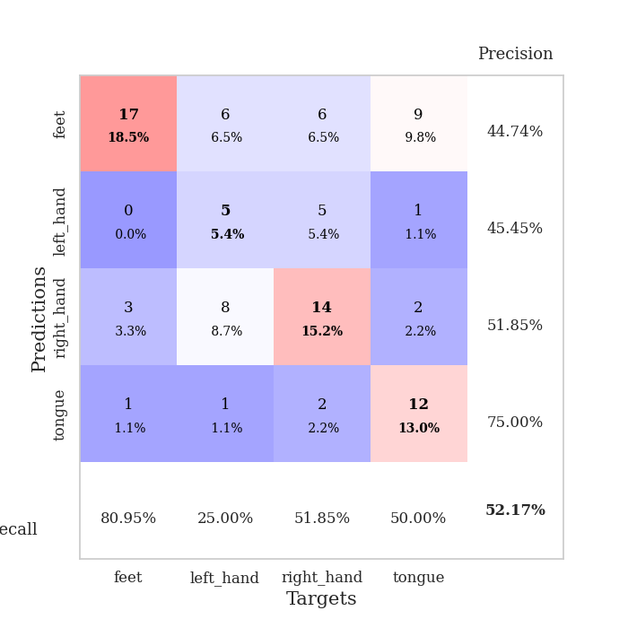
0.93679791689 | 8.8214203378 | 0.25543478261 | 0.21739130435 | 0.20976734161 | 25.543478261 | 21.739130435
1.0262208011 | 9.8355130735 | 0.25543478261 | 0.21739130435 | 0.21245288849 | 25.543478261 | 21.739130435
1.0112094465 | 11.038403013 | 0.25543478261 | 0.21739130435 | 0.20834517479 | 25.543478261 | 21.739130435
1.0228943384 | 12.429799287 | 0.25543478261 | 0.21739130435 | 0.20957350731 | 25.543478261 | 21.739130435
0.95820697753 | 11.036379317 | 0.25543478261 | 0.21739130435 | 0.21111321449 | 25.543478261 | 21.739130435
0.90799530693 | 12.475378576 | 0.25543478261 | 0.21739130435 | 0.21083188057 | 25.543478261 | 21.739130435
0.87791293082 | 12.728813006 | 0.25543478261 | 0.21739130435 | 0.21416544914 | 25.543478261 | 21.739130435
0.93031141551 | 10.444685563 | 0.25543478261 | 0.21739130435 | 0.21167111397 | 25.543478261 | 21.739130435
0.87842116926 | 12.802084757 | 0.25543478261 | 0.21739130435 | 0.21059560776 | 25.543478261 | 21.739130435
0.86594706515 | 16.992380971 | 0.25543478261 | 0.21739130435 | 0.20979428291 | 25.543478261 | 21.739130435
0.79468265435 | 16.878053997 | 0.25543478261 | 0.21739130435 | 0.21080517769 | 25.543478261 | 21.739130435
0.77434005945 | 19.294711901 | 0.25543478261 | 0.21739130435 | 0.21034622192 | 25.543478261 | 21.739130435
0.8354310808 | 23.084198744 | 0.25543478261 | 0.21739130435 | 0.20842599869 | 25.543478261 | 21.739130435
0.79967723592 | 18.187286211 | 0.25543478261 | 0.21739130435 | 0.21040773392 | 25.543478261 | 21.739130435
0.78141628789 | 16.323302642 | 0.25543478261 | 0.21739130435 | 0.20841598511 | 25.543478261 | 21.739130435
0.75249031316 | 20.638977797 | 0.25543478261 | 0.21739130435 | 0.21126627922 | 25.543478261 | 21.739130435
0.80845082324 | 10.535909362 | 0.25543478261 | 0.21739130435 | 0.2060251236 | 25.543478261 | 21.739130435
0.69594614791 | 8.1202347797 | 0.25543478261 | 0.21739130435 | 0.21044111252 | 25.543478261 | 21.739130435
0.73902371007 | 10.238660605 | 0.25543478261 | 0.21739130435 | 0.21020293236 | 25.543478261 | 21.739130435
0.69738621297 | 6.0628943443 | 0.25543478261 | 0.21739130435 | 0.21173596382 | 25.543478261 | 21.739130435
0.72701638937 | 7.4664029246 | 0.25543478261 | 0.21739130435 | 0.20768356323 | 25.543478261 | 21.739130435
0.76344081889 | 7.5591229978 | 0.25543478261 | 0.21739130435 | 0.20705032349 | 25.543478261 | 21.739130435
0.75735663072 | 7.150795978 | 0.25543478261 | 0.21739130435 | 0.21063446999 | 25.543478261 | 21.739130435
0.68055607184 | 8.5098432873 | 0.25543478261 | 0.21739130435 | 0.20819139481 | 25.543478261 | 21.739130435
0.66803287423 | 7.5073419239 | 0.25543478261 | 0.21739130435 | 0.21337461472 | 25.543478261 | 21.739130435
0.71662748378 | 7.5540100595 | 0.25543478261 | 0.21739130435 | 0.21147704124 | 25.543478261 | 21.739130435
0.67419299095 | 6.9591691598 | 0.25543478261 | 0.21739130435 | 0.21059894562 | 25.543478261 | 21.739130435
0.68079131971 | 5.3347250275 | 0.25543478261 | 0.21739130435 | 0.20742702484 | 25.543478261 | 21.739130435
0.64089266891 | 4.2892170989 | 0.25543478261 | 0.21739130435 | 0.21050953865 | 25.543478261 | 21.739130435
0.64276462275 | 3.3512742001 | 0.25543478261 | 0.21739130435 | 0.21086525917 | 25.543478261 | 21.739130435
0.63778157338 | 2.6956175203 | 0.25543478261 | 0.21739130435 | 0.21028447151 | 25.543478261 | 21.739130435
0.65677071654 | 2.2920022114 | 0.25543478261 | 0.22826086957 | 0.2093462944 | 25.543478261 | 22.826086957

Best Val accuracy is 0.29347826086956524 and Best test accuracy is 0.23275862068965517

Sheet3
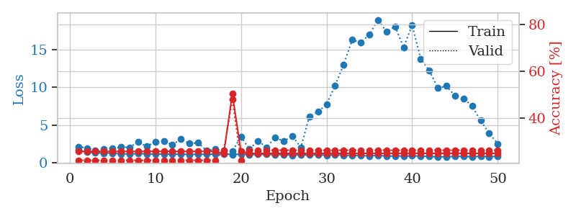
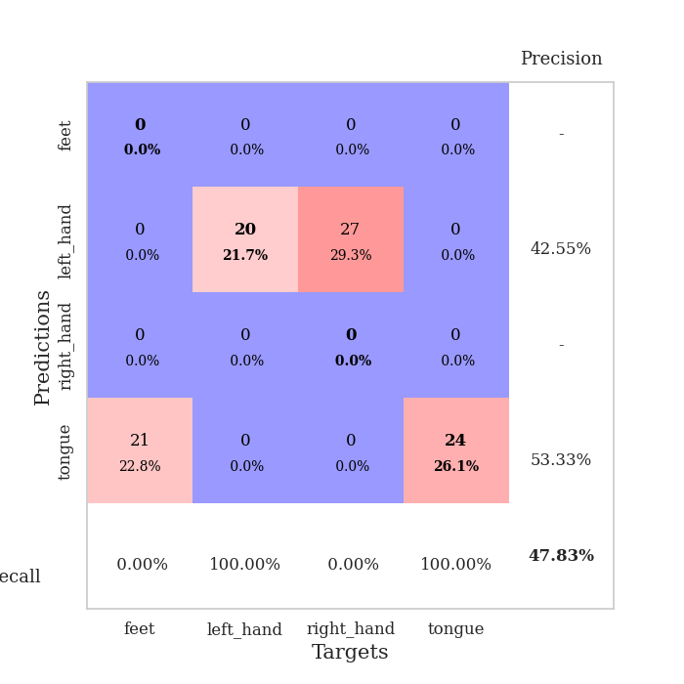
train_loss | valid_loss | train_accuracy | valid_accuracy | dur | train_misclass | valid_misclass
4.3193188284 | 5.1357143029 | 0.25543478261 | 0.22826086957 | 0.086077690125 | 25.543478261 | 22.826086957
1.8431341648 | 2.5066270465 | 0.29347826087 | 0.26086956522 | 0.082813024521 | 29.347826087 | 26.086956522
1.2941780557 | 2.1223434469 | 0.27717391304 | 0.26086956522 | 0.082676649094 | 27.717391304 | 26.086956522
1.2249126175 | 1.9406810014 | 0.36956521739 | 0.3152173913 | 0.082500696182 | 36.956521739 | 31.52173913
1.1244958846 | 1.5731371175 | 0.54076086957 | 0.30434782609 | 0.082596302032 | 54.076086957 | 30.434782609
1.0989637971 | 1.4087122575 | 0.56793478261 | 0.33695652174 | 0.08290886879 | 56.793478261 | 33.695652174
1.0341306925 | 1.3205669652 | 0.63858695652 | 0.35869565217 | 0.082626104355 | 63.858695652 | 35.869565217
1.0050902004 | 1.2140111146 | 0.6875 | 0.45652173913 | 0.082555294037 | 68.75 | 45.652173913
0.98988747597 | 1.3288628381 | 0.67119565217 | 0.40217391304 | 0.082630395889 | 67.119565217 | 40.217391304
0.93475948468 | 1.2766402234 | 0.70380434783 | 0.4347826087 | 0.082875728607 | 70.380434783 | 43.47826087
0.90549251826 | 1.3042820899 | 0.70923913043 | 0.42391304348 | 0.082820415497 | 70.923913043 | 42.391304348
0.89913410207 | 1.2920137747 | 0.76358695652 | 0.44565217391 | 0.082592010498 | 76.358695652 | 44.565217391
0.84945236341 | 1.4331719305 | 0.59510869565 | 0.39130434783 | 0.082956075668 | 59.510869565 | 39.130434783
0.83627006023 | 1.3471766503 | 0.72826086957 | 0.46739130435 | 0.082630395889 | 72.826086957 | 46.739130435
0.80338014209 | 1.2952986645 | 0.77445652174 | 0.44565217391 | 0.083218574524 | 77.445652174 | 44.565217391
0.80006877624 | 1.2407447618 | 0.77173913043 | 0.48913043478 | 0.083153963089 | 77.173913043 | 48.913043478
0.75037021222 | 1.1486657806 | 0.80434782609 | 0.5 | 0.083047628403 | 80.434782609 | 50
0.73225704613 | 1.2622259596 | 0.8097826087 | 0.45652173913 | 0.083560705185 | 80.97826087 | 45.652173913
0.73779647117 | 1.4492954171 | 0.70380434783 | 0.42391304348 | 0.083050966263 | 70.380434783 | 42.391304348
0.6154900569 | 1.3182023505 | 0.8152173913 | 0.44565217391 | 0.083165645599 | 81.52173913 | 44.565217391
0.63193023723 | 1.3713908351 | 0.83695652174 | 0.42391304348 | 0.083189249039 | 83.695652174 | 42.391304348
0.62368911634 | 1.2922360223 | 0.86141304348 | 0.46739130435 | 0.083163976669 | 86.141304348 | 46.739130435
0.56021840417 | 1.2929771672 | 0.81793478261 | 0.46739130435 | 0.083240747452 | 81.793478261 | 46.739130435
0.57175448666 | 1.5533606436 | 0.73097826087 | 0.38043478261 | 0.083274126053 | 73.097826087 | 38.043478261
0.52452998446 | 1.422600544 | 0.79076086957 | 0.42391304348 | 0.083187580109 | 79.076086957 | 42.391304348
0.52201879284 | 1.5969013183 | 0.76630434783 | 0.45652173913 | 0.083024740219 | 76.630434783 | 45.652173913
0.50741961858 | 1.4156826527 | 0.79891304348 | 0.47826086957 | 0.08326458931 | 79.891304348 | 47.826086957
0.46219719493 | 1.5231895602 | 0.79891304348 | 0.47826086957 | 0.083151340485 | 79.891304348 | 47.826086957
0.42547161748 | 1.4097458953 | 0.84510869565 | 0.46739130435 | 0.08333325386 | 84.510869565 | 46.739130435
0.43237616899 | 1.4174286956 | 0.86413043478 | 0.46739130435 | 0.083092451096 | 86.413043478 | 46.739130435
0.46359519855 | 1.5327091476 | 0.78260869565 | 0.4347826087 | 0.083063840866 | 78.260869565 | 43.47826087
0.49849284214 | 1.4275969993 | 0.82880434783 | 0.44565217391 | 0.083422660828 | 82.880434783 | 44.565217391
0.45809416408 | 1.399315834 | 0.85054347826 | 0.44565217391 | 0.083053350449 | 85.054347826 | 44.565217391
0.42380046099 | 1.6289697367 | 0.76086956522 | 0.44565217391 | 0.082959413528 | 76.086956522 | 44.565217391
0.41352508962 | 1.499230701 | 0.85054347826 | 0.47826086957 | 0.083317995071 | 85.054347826 | 47.826086957
0.36634452447 | 1.5544976722 | 0.84782608696 | 0.47826086957 | 0.083542585373 | 84.782608696 | 47.826086957
0.35892654372 | 1.5760433104 | 0.82880434783 | 0.48913043478 | 0.083149671555 | 82.880434783 | 48.913043478
0.38133669936 | 1.5359119488 | 0.83967391304 | 0.48913043478 | 0.083444356918 | 83.967391304 | 48.913043478
0.37738568498 | 1.459898845 | 0.88586956522 | 0.5 | 0.083399772644 | 88.586956522 | 50
0.36976388421 | 1.4616189262 | 0.88043478261 | 0.47826086957 | 0.083192110062 | 88.043478261 | 47.826086957
0.34914749926 | 1.4212577239 | 0.89130434783 | 0.5 | 0.083438873291 | 89.130434783 | 50
0.34145622344 | 1.4433582607 | 0.89130434783 | 0.5 | 0.083177566528 | 89.130434783 | 50
0.3698467933 | 1.4654941611 | 0.88315217391 | 0.48913043478 | 0.083222389221 | 88.315217391 | 48.913043478
0.29758643391 | 1.4719321158 | 0.88586956522 | 0.48913043478 | 0.083323717117 | 88.586956522 | 48.913043478
0.36048291073 | 1.4504285584 | 0.90489130435 | 0.5 | 0.083055496216 | 90.489130435 | 50
0.3588262168 | 1.4333699734 | 0.91304347826 | 0.52173913043 | 0.083232164383 | 91.304347826 | 52.173913043
0.36339111302 | 1.425895779 | 0.91304347826 | 0.51086956522 | 0.083826303482 | 91.304347826 | 51.086956522
0.33648702826 | 1.4193780319 | 0.91847826087 | 0.51086956522 | 0.083125591278 | 91.847826087 | 51.086956522
0.35249252423 | 1.4134145094 | 0.91847826087 | 0.5 | 0.082976102829 | 91.847826087 | 50
0.30686903713 | 1.4096773863 | 0.91847826087 | 0.5 | 0.08305811882 | 91.847826087 | 50

Best Val accuracy is 0.5217391304347826 and Best test accuracy is 0.49137931034482757
train_loss | valid_loss | train_accuracy | valid_accuracy | dur | train_misclass | valid_misclass
5.0687146705 | 7.230724003 | 0.2472826087 | 0.27173913043 | 0.085379362106 | 24.72826087 | 27.173913043
1.791107722 | 4.7599893653 | 0.24456521739 | 0.29347826087 | 0.082289218903 | 24.456521739 | 29.347826087
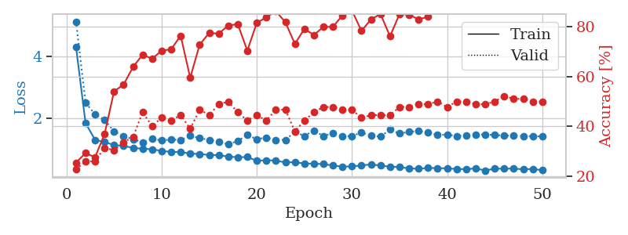
1.3302562548 | 2.6253980554 | 0.36141304348 | 0.28260869565 | 0.081620454788 | 36.141304348 | 28.260869565
1.2246260798 | 2.6115863323 | 0.30434782609 | 0.27173913043 | 0.081571102142 | 30.434782609 | 27.173913043
1.1179920876 | 1.8194419353 | 0.45380434783 | 0.33695652174 | 0.081597089767 | 45.380434783 | 33.695652174
1.088646202 | 1.5412007726 | 0.61141304348 | 0.36956521739 | 0.081450462341 | 61.141304348 | 36.956521739
0.9821462087 | 1.3631032135 | 0.70652173913 | 0.42391304348 | 0.081857681274 | 70.652173913 | 42.391304348
0.92113832546 | 1.4598523119 | 0.73913043478 | 0.39130434783 | 0.081560850143 | 73.913043478 | 39.130434783
0.84914239334 | 1.4829260629 | 0.77173913043 | 0.36956521739 | 0.081396341324 | 77.173913043 | 36.956521739
0.76226085813 | 1.5460581624 | 0.7472826087 | 0.39130434783 | 0.081403255463 | 74.72826087 | 39.130434783
0.76487180461 | 1.6493821092 | 0.68206521739 | 0.40217391304 | 0.08130979538 | 68.206521739 | 40.217391304
0.75502051996 | 1.4540735069 | 0.80163043478 | 0.41304347826 | 0.081357955933 | 80.163043478 | 41.304347826
0.72578923469 | 1.4721402293 | 0.78532608696 | 0.4347826087 | 0.081414937973 | 78.532608696 | 43.47826087
0.68834408599 | 1.5405166667 | 0.80706521739 | 0.39130434783 | 0.081781148911 | 80.706521739 | 39.130434783
0.6344801343 | 1.4328713728 | 0.83967391304 | 0.47826086957 | 0.081361055374 | 83.967391304 | 47.826086957
0.58912731901 | 1.505060893 | 0.86141304348 | 0.45652173913 | 0.081503629684 | 86.141304348 | 45.652173913
0.57932437114 | 1.5498713514 | 0.8152173913 | 0.45652173913 | 0.081578731537 | 81.52173913 | 45.652173913
0.57083867944 | 1.407280541 | 0.88315217391 | 0.48913043478 | 0.081362485886 | 88.315217391 | 48.913043478
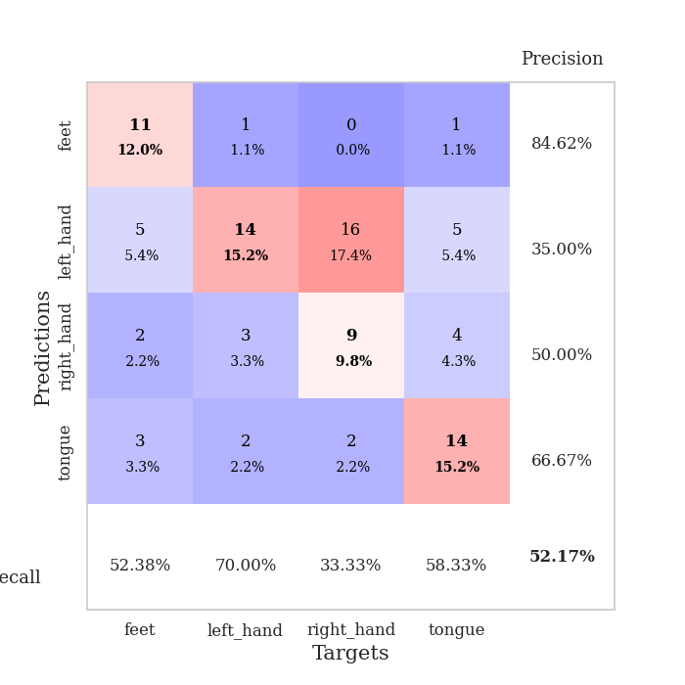
0.59241651841 | 1.5585817565 | 0.90489130435 | 0.45652173913 | 0.081552028656 | 90.489130435 | 45.652173913
0.56795032517 | 1.6727570658 | 0.84239130435 | 0.41304347826 | 0.081539869308 | 84.239130435 | 41.304347826
0.52298019567 | 1.4686106132 | 0.89945652174 | 0.47826086957 | 0.081559658051 | 89.945652174 | 47.826086957
0.49104285629 | 1.7133538257 | 0.82880434783 | 0.42391304348 | 0.081469774246 | 82.880434783 | 42.391304348
0.47098590822 | 1.697393407 | 0.86413043478 | 0.4347826087 | 0.08158993721 | 86.413043478 | 43.47826087
0.47733808341 | 1.7144404287 | 0.85869565217 | 0.42391304348 | 0.081771373749 | 85.869565217 | 42.391304348
0.52729039218 | 1.6349841512 | 0.86956521739 | 0.44565217391 | 0.081742763519 | 86.956521739 | 44.565217391
0.44100663455 | 1.3860521213 | 0.94565217391 | 0.5 | 0.081519126892 | 94.565217391 | 50
0.50106761637 | 1.5805793949 | 0.88043478261 | 0.44565217391 | 0.081799983978 | 88.043478261 | 44.565217391
0.41212824894 | 1.6386809194 | 0.86684782609 | 0.47826086957 | 0.081491947174 | 86.684782609 | 47.826086957
0.40447088234 | 1.7312645446 | 0.88858695652 | 0.4347826087 | 0.081502914429 | 88.858695652 | 43.47826087
0.3656520701 | 1.8067467524 | 0.83967391304 | 0.47826086957 | 0.081491231918 | 83.967391304 | 47.826086957
0.41153659769 | 1.7079131759 | 0.88315217391 | 0.47826086957 | 0.081313610077 | 88.315217391 | 47.826086957
0.33046330738 | 1.6253208959 | 0.8722826087 | 0.48913043478 | 0.081277608871 | 87.22826087 | 48.913043478
0.38584277228 | 1.7565427086 | 0.85326086957 | 0.44565217391 | 0.081501245499 | 85.326086957 | 44.565217391
0.32586708989 | 1.6976032879 | 0.88043478261 | 0.47826086957 | 0.082258701324 | 88.043478261 | 47.826086957
0.37005773511 | 2.0434340757 | 0.76630434783 | 0.45652173913 | 0.081697702408 | 76.630434783 | 45.652173913
0.34090829122 | 1.7303989867 | 0.89130434783 | 0.47826086957 | 0.081524610519 | 89.130434783 | 47.826086957
0.36929338263 | 1.7371233443 | 0.88858695652 | 0.47826086957 | 0.081535577774 | 88.858695652 | 47.826086957
0.30810654876 | 1.7250612249 | 0.89402173913 | 0.48913043478 | 0.081586122513 | 89.402173913 | 48.913043478
0.30630740782 | 1.7057155578 | 0.92119565217 | 0.45652173913 | 0.081597089767 | 92.119565217 | 45.652173913
0.32064560153 | 1.7441357789 | 0.89402173913 | 0.45652173913 | 0.081813097 | 89.402173913 | 45.652173913
0.28510755236 | 1.7809080611 | 0.88586956522 | 0.44565217391 | 0.081485033035 | 88.586956522 | 44.565217391
0.32151391325 | 1.7758871732 | 0.88858695652 | 0.46739130435 | 0.081519126892 | 88.858695652 | 46.739130435
0.32497870631 | 1.7460172902 | 0.91304347826 | 0.47826086957 | 0.081352472305 | 91.304347826 | 47.826086957
0.30090926976 | 1.7345546277 | 0.91847826087 | 0.47826086957 | 0.081560373306 | 91.847826087 | 47.826086957
0.29199101582 | 1.7375239704 | 0.91576086957 | 0.47826086957 | 0.081727743149 | 91.576086957 | 47.826086957
0.24452084724 | 1.7306552192 | 0.91304347826 | 0.47826086957 | 0.083268165588 | 91.304347826 | 47.826086957
0.24922158132 | 1.7272436256 | 0.91304347826 | 0.47826086957 | 0.080721378326 | 91.304347826 | 47.826086957
0.289825593 | 1.725458736 | 0.92119565217 | 0.47826086957 | 0.080456256866 | 92.119565217 | 47.826086957
0.25872446759 | 1.7240532533 | 0.92391304348 | 0.47826086957 | 0.08062338829 | 92.391304348 | 47.826086957
0.29978519354 | 1.7229754873 | 0.92663043478 | 0.47826086957 | 0.080466032028 | 92.663043478 | 47.826086957

Best Val accuracy is 0.5 and Best test accuracy is 0.45689655172413796
train_loss | valid_loss | train_accuracy | valid_accuracy | dur | train_misclass | valid_misclass
1.6640876843 | 2.1348233016 | 0.25543478261 | 0.21739130435 | 0.20641708374 | 25.543478261 | 21.739130435
1.3944525045 | 1.9341076716 | 0.25543478261 | 0.21739130435 | 0.21174240112 | 25.543478261 | 21.739130435
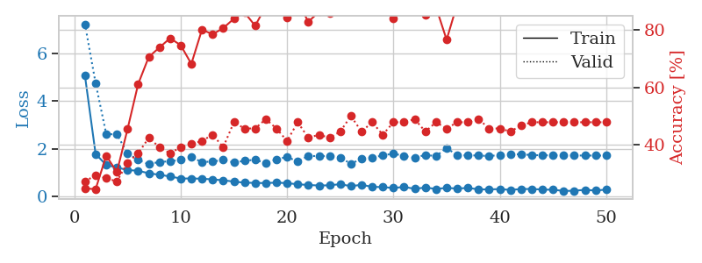
1.3095147247 | 1.5995123231 | 0.25543478261 | 0.21739130435 | 0.21242642403 | 25.543478261 | 21.739130435
1.2789249006 | 1.7779159546 | 0.25543478261 | 0.21739130435 | 0.20902276039 | 25.543478261 | 21.739130435
1.2644976637 | 1.8895031577 | 0.25543478261 | 0.21739130435 | 0.20949411392 | 25.543478261 | 21.739130435
1.1677764784 | 2.0600855143 | 0.25543478261 | 0.21739130435 | 0.21163392067 | 25.543478261 | 21.739130435
1.159137547 | 2.0360138624 | 0.25543478261 | 0.21739130435 | 0.20614171028 | 25.543478261 | 21.739130435
1.2074298133 | 2.7460228982 | 0.25543478261 | 0.21739130435 | 0.20716524124 | 25.543478261 | 21.739130435
1.1780098055 | 2.1526406019 | 0.25543478261 | 0.21739130435 | 0.20975470543 | 25.543478261 | 21.739130435
1.134747075 | 2.7552223724 | 0.25543478261 | 0.21739130435 | 0.21106410027 | 25.543478261 | 21.739130435
1.1564309804 | 2.8313216334 | 0.25543478261 | 0.21739130435 | 0.2076318264 | 25.543478261 | 21.739130435
1.1220730699 | 2.3862231503 | 0.25543478261 | 0.21739130435 | 0.2111594677 | 25.543478261 | 21.739130435
1.1401560073 | 3.0996197514 | 0.25543478261 | 0.21739130435 | 0.20826411247 | 25.543478261 | 21.739130435
1.0715918152 | 2.5254617359 | 0.25543478261 | 0.21739130435 | 0.2095580101 | 25.543478261 | 21.739130435
1.1298732447 | 2.6552174299 | 0.25543478261 | 0.21739130435 | 0.20830774307 | 25.543478261 | 21.739130435
1.0904687254 | 1.569148214 | 0.25543478261 | 0.21739130435 | 0.21007180214 | 25.543478261 | 21.739130435
1.159551224 | 1.7832225406 | 0.25543478261 | 0.21739130435 | 0.2093307972 | 25.543478261 | 21.739130435
1.1803949553 | 1.5677691076 | 0.2472826087 | 0.26086956522 | 0.2059006691 | 24.72826087 | 26.086956522
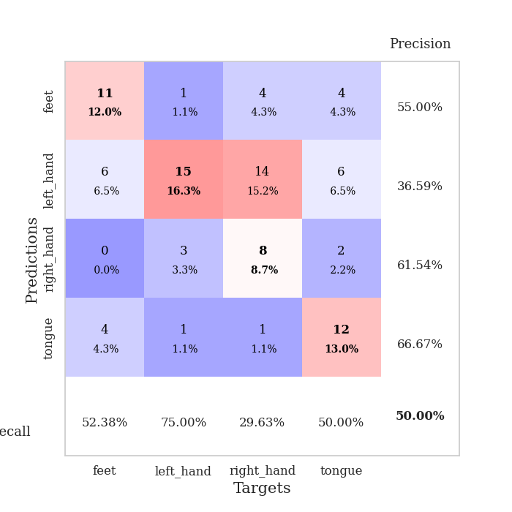
1.0797676003 | 1.4778934406 | 0.5027173913 | 0.47826086957 | 0.21011447906 | 50.27173913 | 47.826086957
1.1389642228 | 3.4711854665 | 0.25543478261 | 0.21739130435 | 0.20882201195 | 25.543478261 | 21.739130435
1.0597326963 | 1.7878733718 | 0.2472826087 | 0.26086956522 | 0.20803809166 | 24.72826087 | 26.086956522
1.1053889342 | 2.8934139169 | 0.2472826087 | 0.26086956522 | 0.20623445511 | 24.72826087 | 26.086956522
1.1035164543 | 2.0328446575 | 0.2472826087 | 0.26086956522 | 0.20942735672 | 24.72826087 | 26.086956522
1.0654947032 | 3.3414148351 | 0.2472826087 | 0.26086956522 | 0.20817375183 | 24.72826087 | 26.086956522
1.0692533255 | 2.8299028251 | 0.2472826087 | 0.26086956522 | 0.20884132385 | 24.72826087 | 26.086956522
0.99076192016 | 3.5321637755 | 0.2472826087 | 0.26086956522 | 0.21155762672 | 24.72826087 | 26.086956522
1.0471141131 | 2.0281355588 | 0.2472826087 | 0.26086956522 | 0.21210551262 | 24.72826087 | 26.086956522
1.0202185978 | 6.1343203006 | 0.2472826087 | 0.26086956522 | 0.21316766739 | 24.72826087 | 26.086956522
1.0424323782 | 6.7479816312 | 0.2472826087 | 0.26086956522 | 0.2112364769 | 24.72826087 | 26.086956522
0.99077624342 | 7.7312679913 | 0.2472826087 | 0.26086956522 | 0.20962381363 | 24.72826087 | 26.086956522
1.0524182035 | 10.236573966 | 0.2472826087 | 0.26086956522 | 0.21241736412 | 24.72826087 | 26.086956522
0.98197374914 | 12.992738268 | 0.2472826087 | 0.26086956522 | 0.21201682091 | 24.72826087 | 26.086956522
0.97876986213 | 16.28301351 | 0.2472826087 | 0.26086956522 | 0.20982813835 | 24.72826087 | 26.086956522
0.95326800709 | 15.897776687 | 0.2472826087 | 0.26086956522 | 0.20990347862 | 24.72826087 | 26.086956522
0.89398598671 | 16.988207568 | 0.2472826087 | 0.26086956522 | 0.21176075935 | 24.72826087 | 26.086956522
0.9640733185 | 18.939912091 | 0.2472826087 | 0.26086956522 | 0.21018266678 | 24.72826087 | 26.086956522
0.87914439388 | 17.363200519 | 0.2472826087 | 0.26086956522 | 0.21192765236 | 24.72826087 | 26.086956522
0.89316973738 | 18.074182966 | 0.2472826087 | 0.26086956522 | 0.21088814735 | 24.72826087 | 26.086956522
0.88032660018 | 15.304054094 | 0.2472826087 | 0.26086956522 | 0.21161150932 | 24.72826087 | 26.086956522
0.90253649069 | 18.232108945 | 0.2472826087 | 0.26086956522 | 0.21357560158 | 24.72826087 | 26.086956522
0.86559727918 | 13.773175074 | 0.2472826087 | 0.26086956522 | 0.21043205261 | 24.72826087 | 26.086956522
0.82321794007 | 12.218526965 | 0.2472826087 | 0.26086956522 | 0.21223545074 | 24.72826087 | 26.086956522
0.78118606495 | 9.8809519229 | 0.2472826087 | 0.26086956522 | 0.21237397194 | 24.72826087 | 26.086956522
0.78509941049 | 10.162199311 | 0.2472826087 | 0.26086956522 | 0.21209764481 | 24.72826087 | 26.086956522
0.82224286121 | 8.8822924365 | 0.2472826087 | 0.26086956522 | 0.21260905266 | 24.72826087 | 26.086956522
0.84261941651 | 8.5341535029 | 0.2472826087 | 0.26086956522 | 0.21081423759 | 24.72826087 | 26.086956522
0.78209450971 | 7.4951543601 | 0.2472826087 | 0.26086956522 | 0.21124958992 | 24.72826087 | 26.086956522
0.84447052168 | 5.5823854363 | 0.2472826087 | 0.26086956522 | 0.21240735054 | 24.72826087 | 26.086956522
0.78414831991 | 3.8781790008 | 0.2472826087 | 0.26086956522 | 0.20967769623 | 24.72826087 | 26.086956522
0.85146066417 | 2.5185043397 | 0.2472826087 | 0.26086956522 | 0.21002912521 | 24.72826087 | 26.086956522

Best Val accuracy is 0.4782608695652174 and Best test accuracy is 0.5086206896551724

Sheet4
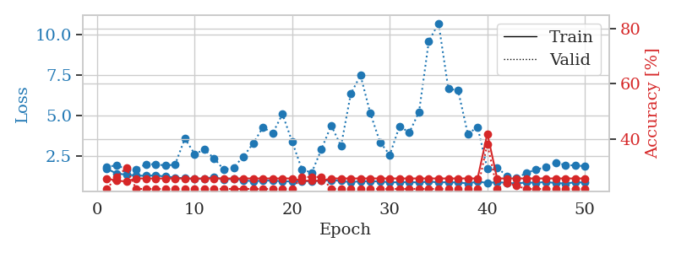
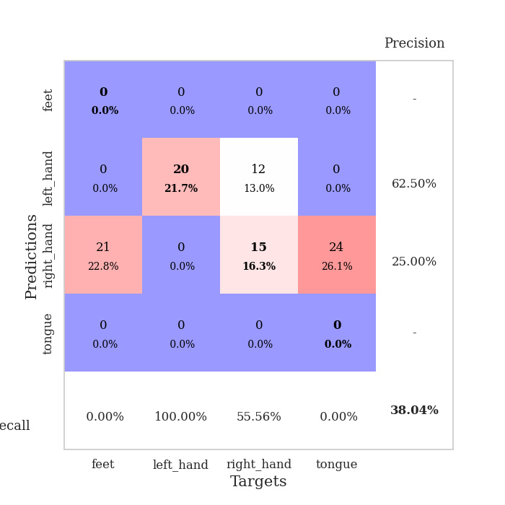
train_loss | valid_loss | train_accuracy | valid_accuracy | dur | train_misclass | valid_misclass
4.2245342213 | 3.522792443 | 0.24184782609 | 0.26086956522 | 0.084662675858 | 24.184782609 | 26.086956522
1.7836207203 | 3.3810171874 | 0.2472826087 | 0.27173913043 | 0.082698106766 | 24.72826087 | 27.173913043
1.45047689 | 2.2557907882 | 0.25543478261 | 0.26086956522 | 0.08237528801 | 25.543478261 | 26.086956522
1.253788663 | 1.3986980708 | 0.47554347826 | 0.38043478261 | 0.082545757294 | 47.554347826 | 38.043478261
1.1683440234 | 1.2611423886 | 0.59239130435 | 0.39130434783 | 0.082804918289 | 59.239130435 | 39.130434783
1.1059156345 | 1.2166082911 | 0.65489130435 | 0.45652173913 | 0.082690477371 | 65.489130435 | 45.652173913
0.99645580157 | 1.2204110467 | 0.67663043478 | 0.42391304348 | 0.082746982574 | 67.663043478 | 42.391304348
0.94302701691 | 1.2983466542 | 0.69565217391 | 0.38043478261 | 0.082605361938 | 69.565217391 | 38.043478261
0.90743688397 | 1.346871008 | 0.69836956522 | 0.47826086957 | 0.082592487335 | 69.836956522 | 47.826086957
0.88792040296 | 1.2227799944 | 0.77445652174 | 0.46739130435 | 0.082892656326 | 77.445652174 | 46.739130435
0.8236297369 | 1.2582936546 | 0.77717391304 | 0.46739130435 | 0.083028793335 | 77.717391304 | 46.739130435
0.77043100284 | 1.2253579731 | 0.76358695652 | 0.52173913043 | 0.083265066147 | 76.358695652 | 52.173913043
0.7035407735 | 1.3604970497 | 0.8152173913 | 0.44565217391 | 0.083304643631 | 81.52173913 | 44.565217391
0.71975907165 | 1.2336306313 | 0.85869565217 | 0.51086956522 | 0.083178281784 | 85.869565217 | 51.086956522
0.70502646462 | 1.2110123297 | 0.82880434783 | 0.47826086957 | 0.083147525787 | 82.880434783 | 47.826086957
0.66411224267 | 1.2427460966 | 0.875 | 0.46739130435 | 0.082976341248 | 87.5 | 46.739130435
0.59154695661 | 1.390452074 | 0.88586956522 | 0.4347826087 | 0.083356142044 | 88.586956522 | 43.47826087
0.54935171552 | 1.3659543862 | 0.84782608696 | 0.51086956522 | 0.083032369614 | 84.782608696 | 51.086956522
0.57208977834 | 1.3194768014 | 0.8722826087 | 0.52173913043 | 0.083684682846 | 87.22826087 | 52.173913043
0.54084726455 | 1.3563997901 | 0.79891304348 | 0.51086956522 | 0.082807064056 | 79.891304348 | 51.086956522
0.56408989106 | 1.3201168542 | 0.88043478261 | 0.5 | 0.082958459854 | 88.043478261 | 50
0.52933858853 | 1.4001999601 | 0.86141304348 | 0.51086956522 | 0.082978487015 | 86.141304348 | 51.086956522
0.5028421678 | 1.3683858799 | 0.91304347826 | 0.52173913043 | 0.083034515381 | 91.304347826 | 52.173913043
0.51656465038 | 1.570844075 | 0.8097826087 | 0.44565217391 | 0.082885503769 | 80.97826087 | 44.565217391
0.49150812626 | 1.4974079547 | 0.8722826087 | 0.5 | 0.083023071289 | 87.22826087 | 50
0.48105510745 | 1.7258585484 | 0.79347826087 | 0.44565217391 | 0.08292388916 | 79.347826087 | 44.565217391
0.42358969022 | 1.4832225261 | 0.85869565217 | 0.48913043478 | 0.08313035965 | 85.869565217 | 48.913043478
0.4079228076 | 1.4337149211 | 0.86684782609 | 0.48913043478 | 0.088936805725 | 86.684782609 | 48.913043478
0.36407216152 | 1.7719121964 | 0.77173913043 | 0.42391304348 | 0.083238363266 | 77.173913043 | 42.391304348
0.39765766846 | 1.5426099663 | 0.89673913043 | 0.51086956522 | 0.082942962646 | 89.673913043 | 51.086956522
0.35193694091 | 1.5587486754 | 0.88315217391 | 0.47826086957 | 0.082820177078 | 88.315217391 | 47.826086957
0.3899354912 | 1.5583782818 | 0.88858695652 | 0.48913043478 | 0.082890033722 | 88.858695652 | 48.913043478
0.35063359012 | 1.5802987607 | 0.88858695652 | 0.47826086957 | 0.083056688309 | 88.858695652 | 47.826086957
0.37410426852 | 1.5296080812 | 0.90760869565 | 0.48913043478 | 0.084656000137 | 90.760869565 | 48.913043478
0.35214273016 | 1.5598816898 | 0.89945652174 | 0.51086956522 | 0.084073543549 | 89.945652174 | 51.086956522
0.30842268823 | 1.5453702056 | 0.90217391304 | 0.54347826087 | 0.083673715591 | 90.217391304 | 54.347826087
0.29270454237 | 1.5174649617 | 0.91847826087 | 0.48913043478 | 0.083797693253 | 91.847826087 | 48.913043478
0.26486141105 | 1.5487037664 | 0.92663043478 | 0.47826086957 | 0.083183526993 | 92.663043478 | 47.826086957
0.31163119233 | 1.5594371739 | 0.92934782609 | 0.52173913043 | 0.083292484283 | 92.934782609 | 52.173913043
0.32458270989 | 1.5999494558 | 0.93206521739 | 0.52173913043 | 0.083234548569 | 93.206521739 | 52.173913043
0.2897645572 | 1.621378655 | 0.91576086957 | 0.52173913043 | 0.083259820938 | 91.576086957 | 52.173913043
0.29915619237 | 1.6262091735 | 0.93206521739 | 0.51086956522 | 0.083210229874 | 93.206521739 | 51.086956522
0.25676533547 | 1.647645261 | 0.92663043478 | 0.51086956522 | 0.083206176758 | 92.663043478 | 51.086956522
0.24462413788 | 1.6263467488 | 0.92934782609 | 0.51086956522 | 0.082970380783 | 92.934782609 | 51.086956522
0.21498930649 | 1.6085517795 | 0.9375 | 0.51086956522 | 0.082971572876 | 93.75 | 51.086956522
0.2527272928 | 1.6080573745 | 0.9402173913 | 0.51086956522 | 0.08331823349 | 94.02173913 | 51.086956522
0.26032285619 | 1.6109684162 | 0.9402173913 | 0.51086956522 | 0.083201408386 | 94.02173913 | 51.086956522
0.25333101756 | 1.6166226216 | 0.94293478261 | 0.51086956522 | 0.083335161209 | 94.293478261 | 51.086956522
0.23470021428 | 1.6189602147 | 0.94293478261 | 0.51086956522 | 0.083209753036 | 94.293478261 | 51.086956522
0.29583355218 | 1.6206797413 | 0.94293478261 | 0.52173913043 | 0.083167791367 | 94.293478261 | 52.173913043

Best Val accuracy is 0.5434782608695652 and Best test accuracy is 0.4396551724137931
train_loss | valid_loss | train_accuracy | valid_accuracy | dur | train_misclass | valid_misclass
3.1464596468 | 4.5669857937 | 0.26086956522 | 0.21739130435 | 0.083238363266 | 26.086956522 | 21.739130435
1.4860691972 | 3.4266637305 | 0.27445652174 | 0.27173913043 | 0.08312702179 | 27.445652174 | 27.173913043
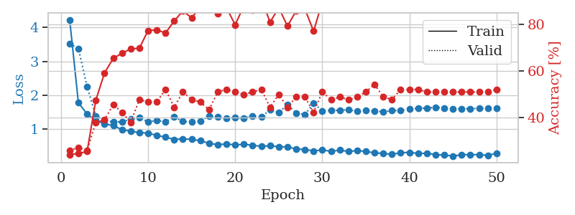
1.3524607653 | 2.7955222026 | 0.34239130435 | 0.28260869565 | 0.082211256027 | 34.239130435 | 28.260869565
1.1847898882 | 2.1578705985 | 0.375 | 0.30434782609 | 0.081640005112 | 37.5 | 30.434782609
1.2026943176 | 1.8606690065 | 0.40489130435 | 0.38043478261 | 0.081592321396 | 40.489130435 | 38.043478261
1.0153277594 | 1.3493177606 | 0.63586956522 | 0.46739130435 | 0.081352472305 | 63.586956522 | 46.739130435
0.96587222296 | 1.2849663574 | 0.64130434783 | 0.44565217391 | 0.081417798996 | 64.130434783 | 44.565217391
0.88576348709 | 1.2210908869 | 0.71195652174 | 0.51086956522 | 0.081371545792 | 71.195652174 | 51.086956522
0.87397460834 | 1.1113171189 | 0.78260869565 | 0.55434782609 | 0.082537889481 | 78.260869565 | 55.434782609
0.7906118437 | 1.1752199427 | 0.75815217391 | 0.51086956522 | 0.082738399506 | 75.815217391 | 51.086956522
0.80074317818 | 1.251187423 | 0.77445652174 | 0.47826086957 | 0.08180642128 | 77.445652174 | 47.826086957
0.71538188665 | 1.3301523872 | 0.73913043478 | 0.46739130435 | 0.081652879715 | 73.913043478 | 46.739130435
0.66500106324 | 1.2151456035 | 0.75543478261 | 0.5652173913 | 0.081750869751 | 75.543478261 | 56.52173913
0.62654871396 | 1.3800371678 | 0.82336956522 | 0.47826086957 | 0.08221912384 | 82.336956522 | 47.826086957
0.61471997007 | 1.3472335572 | 0.80434782609 | 0.54347826087 | 0.081692218781 | 80.434782609 | 54.347826087
0.61837748211 | 1.3344456217 | 0.77717391304 | 0.48913043478 | 0.081686019897 | 77.717391304 | 48.913043478
0.52759255339 | 1.3034055855 | 0.85054347826 | 0.5 | 0.081750154495 | 85.054347826 | 50
0.5607708252 | 1.7432947988 | 0.70380434783 | 0.40217391304 | 0.081569194794 | 70.380434783 | 40.217391304
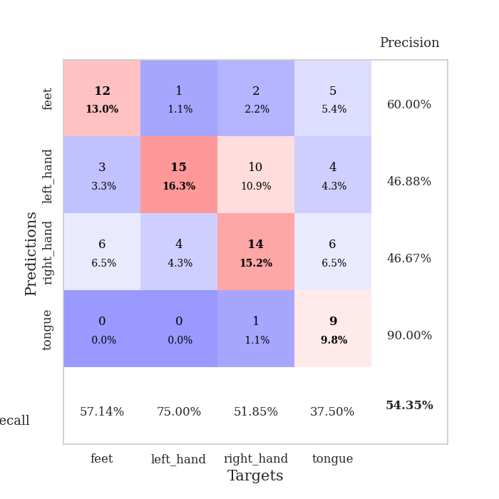
0.53937297865 | 1.6264443553 | 0.8152173913 | 0.4347826087 | 0.081483125687 | 81.52173913 | 43.47826087
0.47967990455 | 1.5185984269 | 0.83423913043 | 0.47826086957 | 0.081538438797 | 83.423913043 | 47.826086957
0.42270934323 | 1.440884445 | 0.84782608696 | 0.48913043478 | 0.081395864487 | 84.782608696 | 48.913043478
0.43327172619 | 1.6446147794 | 0.79891304348 | 0.47826086957 | 0.081507444382 | 79.891304348 | 47.826086957
0.40725075875 | 1.8065673735 | 0.78532608696 | 0.44565217391 | 0.081724405289 | 78.532608696 | 44.565217391
0.4517923451 | 1.4425196829 | 0.875 | 0.5 | 0.081656455994 | 87.5 | 50
0.45265404491 | 1.5545457835 | 0.83695652174 | 0.46739130435 | 0.081514120102 | 83.695652174 | 46.739130435
0.36043614862 | 1.4001493039 | 0.84239130435 | 0.55434782609 | 0.081739187241 | 84.239130435 | 55.434782609
0.39750461961 | 1.4863091552 | 0.91576086957 | 0.51086956522 | 0.081714391708 | 91.576086957 | 51.086956522
0.36744709119 | 1.5238001632 | 0.90489130435 | 0.5 | 0.081591844559 | 90.489130435 | 50
0.34932832614 | 1.444632354 | 0.9375 | 0.51086956522 | 0.081688642502 | 93.75 | 51.086956522
0.35380335217 | 1.4956071144 | 0.92663043478 | 0.52173913043 | 0.081600666046 | 92.663043478 | 52.173913043
0.38061371057 | 1.4160811383 | 0.94293478261 | 0.51086956522 | 0.081800937653 | 94.293478261 | 51.086956522
0.29930406096 | 1.5008340037 | 0.89673913043 | 0.53260869565 | 0.081570625305 | 89.673913043 | 53.260869565
0.30308076091 | 1.580971495 | 0.86413043478 | 0.51086956522 | 0.08144402504 | 86.413043478 | 51.086956522
0.32519545641 | 1.4889067515 | 0.90489130435 | 0.51086956522 | 0.081548213959 | 90.489130435 | 51.086956522
0.29194379209 | 1.5415273283 | 0.91032608696 | 0.5 | 0.081534385681 | 91.032608696 | 50
0.30653181251 | 1.6578955495 | 0.89402173913 | 0.48913043478 | 0.081579208374 | 89.402173913 | 48.913043478
0.32073252195 | 1.6677706501 | 0.85869565217 | 0.5 | 0.081458806992 | 85.869565217 | 50
0.25395935839 | 1.6045289921 | 0.86413043478 | 0.51086956522 | 0.081650495529 | 86.413043478 | 51.086956522
0.24308070962 | 1.6412655219 | 0.8722826087 | 0.5 | 0.081529378891 | 87.22826087 | 50
0.2886481541 | 1.5789224635 | 0.8722826087 | 0.53260869565 | 0.081447601318 | 87.22826087 | 53.260869565
0.25013797487 | 1.5644179272 | 0.89402173913 | 0.52173913043 | 0.081583023071 | 89.402173913 | 52.173913043
0.23138225953 | 1.4998400678 | 0.9347826087 | 0.53260869565 | 0.08166384697 | 93.47826087 | 53.260869565
0.22784740867 | 1.4927971726 | 0.92934782609 | 0.54347826087 | 0.081724643707 | 92.934782609 | 54.347826087
0.26059762226 | 1.516132899 | 0.91576086957 | 0.5652173913 | 0.081484079361 | 91.576086957 | 56.52173913
0.27598348584 | 1.5058975064 | 0.92391304348 | 0.5652173913 | 0.081491708755 | 92.391304348 | 56.52173913
0.24374690838 | 1.4960325231 | 0.93206521739 | 0.57608695652 | 0.081624746323 | 93.206521739 | 57.608695652
0.27803547972 | 1.4934699276 | 0.9347826087 | 0.5652173913 | 0.082113027573 | 93.47826087 | 56.52173913
0.26870669748 | 1.4991575531 | 0.9347826087 | 0.5652173913 | 0.081632137299 | 93.47826087 | 56.52173913
0.20433552984 | 1.4999980823 | 0.9347826087 | 0.5652173913 | 0.081522464752 | 93.47826087 | 56.52173913
0.23421506065 | 1.4996472027 | 0.9375 | 0.5652173913 | 0.08185338974 | 93.75 | 56.52173913

Best Val accuracy is 0.5760869565217391 and Best test accuracy is 0.5086206896551724
train_loss | valid_loss | train_accuracy | valid_accuracy | dur | train_misclass | valid_misclass
1.7125711441 | 1.8084009627 | 0.25543478261 | 0.21739130435 | 0.21068787575 | 25.543478261 | 21.739130435
1.4073539143 | 1.9321697121 | 0.2472826087 | 0.26086956522 | 0.21305322647 | 24.72826087 | 26.086956522
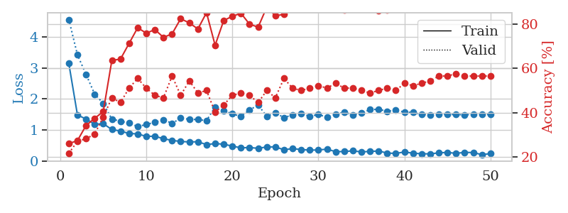
1.3460350555 | 1.6761511098 | 0.24456521739 | 0.29347826087 | 0.2086956501 | 24.456521739 | 29.347826087
1.2863718841 | 1.6790398515 | 0.25543478261 | 0.21739130435 | 0.21322822571 | 25.543478261 | 21.739130435
1.2702269995 | 1.9815381506 | 0.25543478261 | 0.21739130435 | 0.20901918411 | 25.543478261 | 21.739130435
1.3000120132 | 1.9922749582 | 0.25543478261 | 0.21739130435 | 0.2085018158 | 25.543478261 | 21.739130435
1.2239509069 | 1.9014988671 | 0.25543478261 | 0.21739130435 | 0.21078062057 | 25.543478261 | 21.739130435
1.1615911619 | 1.9689157424 | 0.25543478261 | 0.21739130435 | 0.2073135376 | 25.543478261 | 21.739130435
1.116527985 | 3.5779785488 | 0.25543478261 | 0.21739130435 | 0.20794224739 | 25.543478261 | 21.739130435
1.062414146 | 2.6206655917 | 0.25543478261 | 0.21739130435 | 0.21028590202 | 25.543478261 | 21.739130435
1.1058137909 | 2.8853684612 | 0.25543478261 | 0.21739130435 | 0.21099257469 | 25.543478261 | 21.739130435
1.1862220479 | 2.355804122 | 0.25543478261 | 0.21739130435 | 0.21024441719 | 25.543478261 | 21.739130435
1.0324682645 | 1.6392811744 | 0.25543478261 | 0.21739130435 | 0.21104049683 | 25.543478261 | 21.739130435
1.0842002941 | 1.7866926401 | 0.25543478261 | 0.21739130435 | 0.21410298347 | 25.543478261 | 21.739130435
0.98170239252 | 2.4626011952 | 0.25543478261 | 0.21739130435 | 0.21331620216 | 25.543478261 | 21.739130435
0.9428293705 | 3.2712221146 | 0.25543478261 | 0.21739130435 | 0.21010231972 | 25.543478261 | 21.739130435
0.96438683893 | 4.2681421819 | 0.25543478261 | 0.21739130435 | 0.21079874039 | 25.543478261 | 21.739130435
0.98032486698 | 3.9014898176 | 0.25543478261 | 0.21739130435 | 0.20910000801 | 25.543478261 | 21.739130435
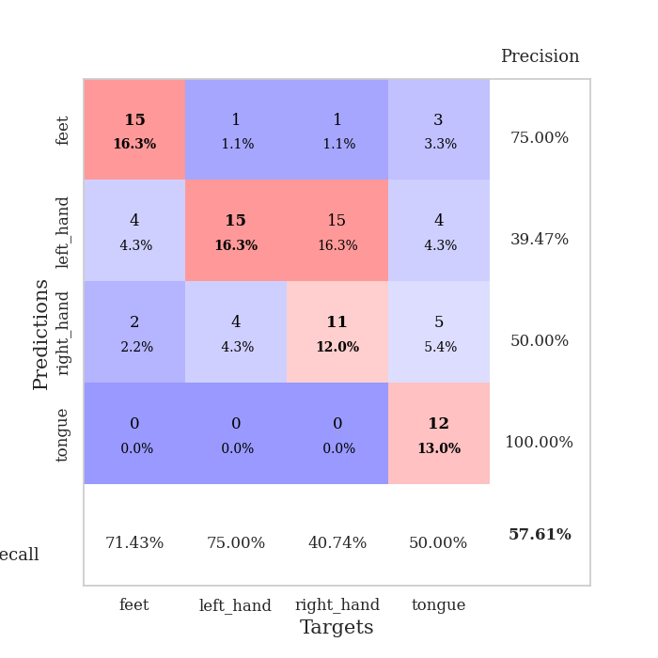
0.92675726569 | 5.0808618587 | 0.25543478261 | 0.21739130435 | 0.21000695229 | 25.543478261 | 21.739130435
0.92688408364 | 3.3746530388 | 0.25543478261 | 0.21739130435 | 0.21116328239 | 25.543478261 | 21.739130435
0.94483964599 | 1.6553858311 | 0.2472826087 | 0.26086956522 | 0.20947742462 | 24.72826087 | 26.086956522
0.93368380484 | 1.4701593285 | 0.2472826087 | 0.26086956522 | 0.21075487137 | 24.72826087 | 26.086956522
0.96434629223 | 2.9159714346 | 0.2472826087 | 0.26086956522 | 0.21081590652 | 24.72826087 | 26.086956522
1.0007158829 | 4.3869825239 | 0.25543478261 | 0.21739130435 | 0.20774197578 | 25.543478261 | 21.739130435
0.95684389964 | 3.1067086095 | 0.25543478261 | 0.21739130435 | 0.21325325966 | 25.543478261 | 21.739130435
0.87070489189 | 6.3329620983 | 0.25543478261 | 0.21739130435 | 0.21271252632 | 25.543478261 | 21.739130435
0.94184950124 | 7.4848760107 | 0.25543478261 | 0.21739130435 | 0.21333813667 | 25.543478261 | 21.739130435
0.92201352638 | 5.1461535537 | 0.25543478261 | 0.21739130435 | 0.21029520035 | 25.543478261 | 21.739130435
0.92823312075 | 3.3491005587 | 0.25543478261 | 0.21739130435 | 0.2106564045 | 25.543478261 | 21.739130435
0.86895353898 | 2.5634412351 | 0.25543478261 | 0.21739130435 | 0.21114373207 | 25.543478261 | 21.739130435
0.87412760569 | 4.3379252683 | 0.25543478261 | 0.21739130435 | 0.21021199226 | 25.543478261 | 21.739130435
0.88950440417 | 3.9445407494 | 0.25543478261 | 0.21739130435 | 0.21112465858 | 25.543478261 | 21.739130435
0.85276277169 | 5.2194215526 | 0.25543478261 | 0.21739130435 | 0.21167254448 | 25.543478261 | 21.739130435
0.9199389297 | 9.589626022 | 0.25543478261 | 0.21739130435 | 0.21038842201 | 25.543478261 | 21.739130435
0.86238234717 | 10.704468105 | 0.25543478261 | 0.21739130435 | 0.21086359024 | 25.543478261 | 21.739130435
0.87786246383 | 6.6538266928 | 0.25543478261 | 0.21739130435 | 0.20970010757 | 25.543478261 | 21.739130435
0.85717835893 | 6.5554745923 | 0.25543478261 | 0.21739130435 | 0.20997905731 | 25.543478261 | 21.739130435
0.79831526072 | 3.8564942816 | 0.25543478261 | 0.21739130435 | 0.21046543121 | 25.543478261 | 21.739130435
0.90607110055 | 4.2891155948 | 0.25543478261 | 0.21739130435 | 0.20876836777 | 25.543478261 | 21.739130435
0.83469413027 | 1.6969582516 | 0.41847826087 | 0.38043478261 | 0.2113699913 | 41.847826087 | 38.043478261
0.87409433722 | 1.7739224641 | 0.25543478261 | 0.21739130435 | 0.20988988876 | 25.543478261 | 21.739130435
0.83948920084 | 1.2641124777 | 0.25543478261 | 0.23913043478 | 0.21170735359 | 25.543478261 | 23.913043478
0.78643052215 | 1.1135811754 | 0.25543478261 | 0.22826086957 | 0.21238541603 | 25.543478261 | 22.826086957
0.86745124796 | 1.4551068233 | 0.25543478261 | 0.21739130435 | 0.21115469933 | 25.543478261 | 21.739130435
0.83532274806 | 1.6543422937 | 0.25543478261 | 0.21739130435 | 0.20605349541 | 25.543478261 | 21.739130435
0.89472766545 | 1.8047873352 | 0.25543478261 | 0.21739130435 | 0.21147656441 | 25.543478261 | 21.739130435
0.81926076568 | 2.0732270531 | 0.25543478261 | 0.21739130435 | 0.21212553978 | 25.543478261 | 21.739130435
0.79744274202 | 1.9397956081 | 0.25543478261 | 0.21739130435 | 0.21063494682 | 25.543478261 | 21.739130435
0.86457884312 | 1.9116446143 | 0.25543478261 | 0.21739130435 | 0.21095919609 | 25.543478261 | 21.739130435
0.85785008513 | 1.8685899921 | 0.25543478261 | 0.21739130435 | 0.21029448509 | 25.543478261 | 21.739130435

Best Val accuracy is 0.3804347826086957 and Best test accuracy is 0.3706896551724138

Sheet5
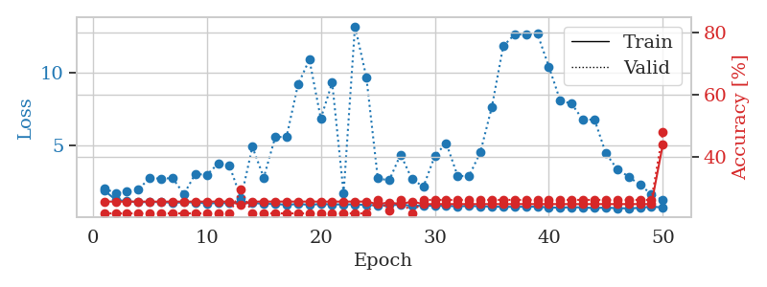
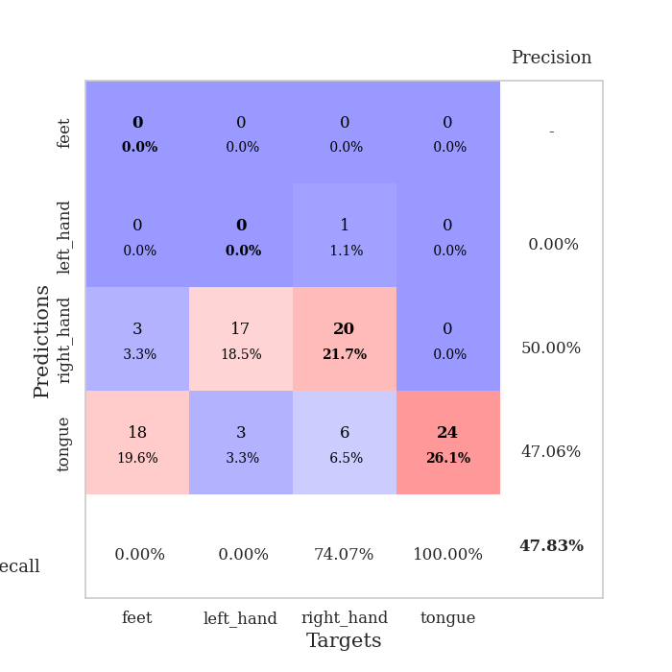
train_loss | valid_loss | train_accuracy | valid_accuracy | dur | train_misclass | valid_misclass
3.9458017038 | 9.3182656247 | 0.2472826087 | 0.26086956522 | 0.08460521698 | 24.72826087 | 26.086956522
1.4830050054 | 3.8592783472 | 0.2472826087 | 0.26086956522 | 0.082694530487 | 24.72826087 | 26.086956522
1.2791888895 | 2.1697595845 | 0.41576086957 | 0.30434782609 | 0.082496881485 | 41.576086957 | 30.434782609
1.2605551507 | 2.1052996076 | 0.4375 | 0.27173913043 | 0.082553863525 | 43.75 | 27.173913043
1.1128449777 | 1.8120539759 | 0.48097826087 | 0.34782608696 | 0.082577228546 | 48.097826087 | 34.782608696
1.1170737795 | 1.5315141211 | 0.5597826087 | 0.32608695652 | 0.082611560822 | 55.97826087 | 32.608695652
1.029233111 | 1.5431600239 | 0.64130434783 | 0.34782608696 | 0.082591056824 | 64.130434783 | 34.782608696
0.99523286457 | 1.5228464033 | 0.69293478261 | 0.32608695652 | 0.083154439926 | 69.293478261 | 32.608695652
0.96778326967 | 1.479528028 | 0.73641304348 | 0.36956521739 | 0.083027362823 | 73.641304348 | 36.956521739
0.90367211207 | 1.6738057085 | 0.66847826087 | 0.36956521739 | 0.082966566086 | 66.847826087 | 36.956521739
0.85607114823 | 1.6131374991 | 0.73641304348 | 0.44565217391 | 0.083070039749 | 73.641304348 | 44.565217391
0.87913450728 | 1.6180603815 | 0.72554347826 | 0.40217391304 | 0.083041667938 | 72.554347826 | 40.217391304
0.75199530954 | 1.4766120444 | 0.80706521739 | 0.39130434783 | 0.083086252213 | 80.706521739 | 39.130434783
0.71917633777 | 1.6476062847 | 0.73641304348 | 0.46739130435 | 0.082911968231 | 73.641304348 | 46.739130435
0.71058978335 | 1.5489439601 | 0.77989130435 | 0.4347826087 | 0.082872152328 | 77.989130435 | 43.47826087
0.69440975915 | 1.5044683892 | 0.7527173913 | 0.39130434783 | 0.083029985428 | 75.27173913 | 39.130434783
0.67552274595 | 1.5919685519 | 0.77173913043 | 0.42391304348 | 0.086209058762 | 77.173913043 | 42.391304348
0.64805205555 | 2.1132238378 | 0.56793478261 | 0.26086956522 | 0.084306955338 | 56.793478261 | 26.086956522
0.60188435342 | 2.1111136779 | 0.58967391304 | 0.30434782609 | 0.08315372467 | 58.967391304 | 30.434782609
0.60548883547 | 2.3129917383 | 0.53804347826 | 0.32608695652 | 0.082800626755 | 53.804347826 | 32.608695652
0.55501449238 | 1.6786472849 | 0.72010869565 | 0.39130434783 | 0.083014965057 | 72.010869565 | 39.130434783
0.52546584606 | 1.6987292715 | 0.72826086957 | 0.38043478261 | 0.08268237114 | 72.826086957 | 38.043478261
0.49971630457 | 2.3041243087 | 0.61684782609 | 0.34782608696 | 0.082693099976 | 61.684782609 | 34.782608696
0.52661756718 | 1.4951911439 | 0.84510869565 | 0.44565217391 | 0.082592964172 | 84.510869565 | 44.565217391
0.47086117449 | 1.5188657564 | 0.8097826087 | 0.41304347826 | 0.08268904686 | 80.97826087 | 41.304347826
0.41998299762 | 1.7073637558 | 0.82880434783 | 0.4347826087 | 0.082800388336 | 82.880434783 | 43.47826087
0.39332259349 | 1.8370857498 | 0.76630434783 | 0.39130434783 | 0.082747220993 | 76.630434783 | 39.130434783
0.42982623499 | 1.7927118592 | 0.75543478261 | 0.39130434783 | 0.082708835602 | 75.543478261 | 39.130434783
0.42581792759 | 1.838404785 | 0.78260869565 | 0.39130434783 | 0.082721710205 | 78.260869565 | 39.130434783
0.47785667362 | 2.0468306697 | 0.74184782609 | 0.36956521739 | 0.082901954651 | 74.184782609 | 36.956521739
0.37026885152 | 1.9495045776 | 0.7527173913 | 0.35869565217 | 0.082787036896 | 75.27173913 | 35.869565217
0.40135714736 | 1.7514205394 | 0.8125 | 0.38043478261 | 0.082723379135 | 81.25 | 38.043478261
0.34088641243 | 1.8864534886 | 0.75815217391 | 0.36956521739 | 0.08266377449 | 75.815217391 | 36.956521739
0.307142362 | 1.6462950706 | 0.81793478261 | 0.44565217391 | 0.082694292068 | 81.793478261 | 44.565217391
0.34011162429 | 1.8231689153 | 0.77445652174 | 0.39130434783 | 0.082808971405 | 77.445652174 | 39.130434783
0.35035208904 | 1.7729568326 | 0.78804347826 | 0.39130434783 | 0.082719326019 | 78.804347826 | 39.130434783
0.29303414569 | 1.9229532688 | 0.74184782609 | 0.38043478261 | 0.085606098175 | 74.184782609 | 38.043478261
0.3425358048 | 1.7262655497 | 0.8125 | 0.40217391304 | 0.082904577255 | 81.25 | 40.217391304
0.32304606878 | 1.8412843528 | 0.80434782609 | 0.42391304348 | 0.082571268082 | 80.434782609 | 42.391304348
0.26120051742 | 1.7273004418 | 0.83695652174 | 0.44565217391 | 0.082593917847 | 83.695652174 | 44.565217391
0.30021190449 | 1.8301729482 | 0.78804347826 | 0.38043478261 | 0.082737445831 | 78.804347826 | 38.043478261
0.30117004268 | 1.8047169395 | 0.80163043478 | 0.38043478261 | 0.082836151123 | 80.163043478 | 38.043478261
0.27874350386 | 1.8056167468 | 0.8125 | 0.41304347826 | 0.082714796066 | 81.25 | 41.304347826
0.32930927238 | 1.7720794419 | 0.81793478261 | 0.41304347826 | 0.08283662796 | 81.793478261 | 41.304347826
0.22988962803 | 1.7702771529 | 0.82065217391 | 0.42391304348 | 0.082769155502 | 82.065217391 | 42.391304348
0.28230568961 | 1.7613358135 | 0.82608695652 | 0.42391304348 | 0.082874298096 | 82.608695652 | 42.391304348
0.26506947175 | 1.7620788398 | 0.83152173913 | 0.42391304348 | 0.082839250565 | 83.152173913 | 42.391304348
0.31247950702 | 1.7510119003 | 0.83695652174 | 0.42391304348 | 0.082776784897 | 83.695652174 | 42.391304348
0.29815889118 | 1.7408726682 | 0.84239130435 | 0.42391304348 | 0.082760095596 | 84.239130435 | 42.391304348
0.26806461341 | 1.7321957557 | 0.84782608696 | 0.4347826087 | 0.082637548447 | 84.782608696 | 43.47826087

Best Val accuracy is 0.4673913043478261 and Best test accuracy is 0.4396551724137931
train_loss | valid_loss | train_accuracy | valid_accuracy | dur | train_misclass | valid_misclass
3.5943178249 | 7.6184674968 | 0.25 | 0.25 | 0.085527658463 | 25 | 25
1.757120459 | 4.171158293 | 0.33695652174 | 0.26086956522 | 0.081376791 | 33.695652174 | 26.086956522
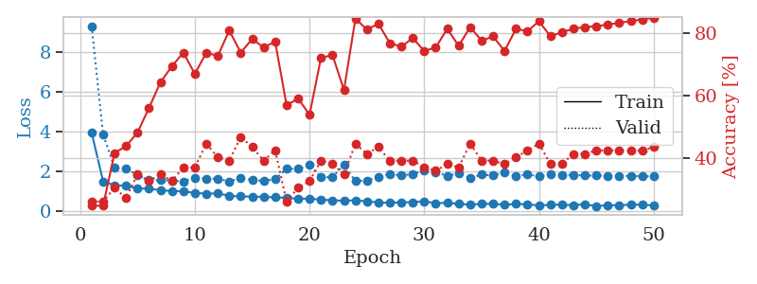
1.2611379027 | 3.8858945992 | 0.28532608696 | 0.30434782609 | 0.084812879562 | 28.532608696 | 30.434782609
1.160867209 | 1.9753938084 | 0.4375 | 0.30434782609 | 0.08439540863 | 43.75 | 30.434782609
1.1197878589 | 2.1093933738 | 0.42119565217 | 0.29347826087 | 0.081294298172 | 42.119565217 | 29.347826087
0.96229463038 | 1.3221681144 | 0.65760869565 | 0.46739130435 | 0.081176280975 | 65.760869565 | 46.739130435
0.95004954805 | 1.2889270912 | 0.6875 | 0.46739130435 | 0.081396579742 | 68.75 | 46.739130435
0.95796587415 | 1.1247853844 | 0.75 | 0.53260869565 | 0.081255674362 | 75 | 53.260869565
0.8210070496 | 1.1944870301 | 0.77173913043 | 0.48913043478 | 0.081643104553 | 77.173913043 | 48.913043478
0.82195162514 | 1.1279350856 | 0.78532608696 | 0.47826086957 | 0.081396102905 | 78.532608696 | 47.826086957
0.72234478722 | 1.3756507842 | 0.66847826087 | 0.44565217391 | 0.081347942352 | 66.847826087 | 44.565217391
0.66795566808 | 1.2223337034 | 0.76358695652 | 0.48913043478 | 0.081550836563 | 76.358695652 | 48.913043478
0.60138463456 | 1.3854828503 | 0.70380434783 | 0.46739130435 | 0.081478357315 | 70.380434783 | 46.739130435
0.60678097865 | 1.261983265 | 0.77717391304 | 0.5 | 0.082884073257 | 77.717391304 | 50
0.5879107921 | 1.5896674602 | 0.66576086957 | 0.45652173913 | 0.082727193832 | 66.576086957 | 45.652173913
0.62887121219 | 1.5042756692 | 0.70108695652 | 0.40217391304 | 0.082129955292 | 70.108695652 | 40.217391304
0.55918532999 | 1.4946237232 | 0.72010869565 | 0.42391304348 | 0.081518173218 | 72.010869565 | 42.391304348
0.52285524684 | 1.5517865316 | 0.78260869565 | 0.45652173913 | 0.081566572189 | 78.260869565 | 45.652173913
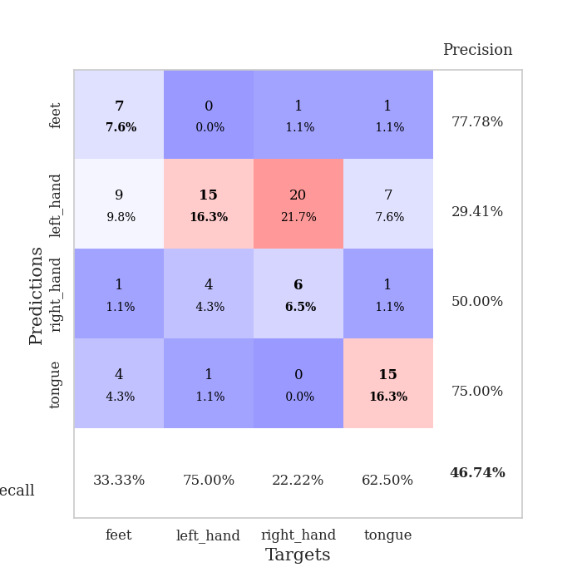
0.5249612137 | 1.6221736359 | 0.74184782609 | 0.4347826087 | 0.08150935173 | 74.184782609 | 43.47826087
0.48793575038 | 1.4505174937 | 0.76902173913 | 0.47826086957 | 0.081533670425 | 76.902173913 | 47.826086957
0.46144170735 | 1.4751458013 | 0.8152173913 | 0.44565217391 | 0.081364393234 | 81.52173913 | 44.565217391
0.42655361606 | 1.5190733879 | 0.79076086957 | 0.45652173913 | 0.081348419189 | 79.076086957 | 45.652173913
0.4482823241 | 1.5023487288 | 0.80163043478 | 0.47826086957 | 0.081456184387 | 80.163043478 | 47.826086957
0.35805280766 | 1.6709909854 | 0.76358695652 | 0.47826086957 | 0.081453800201 | 76.358695652 | 47.826086957
0.37957980192 | 1.6804160813 | 0.77717391304 | 0.46739130435 | 0.081126928329 | 77.717391304 | 46.739130435
0.34423337035 | 1.7876722243 | 0.75 | 0.46739130435 | 0.081619024277 | 75 | 46.739130435
0.35635582973 | 1.7990143869 | 0.72010869565 | 0.46739130435 | 0.081701278687 | 72.010869565 | 46.739130435
0.3528248347 | 1.7537828788 | 0.73641304348 | 0.45652173913 | 0.081740379333 | 73.641304348 | 45.652173913
0.33731444439 | 1.5812404519 | 0.80434782609 | 0.5 | 0.081450939178 | 80.434782609 | 50
0.32853347776 | 1.7305767381 | 0.75543478261 | 0.47826086957 | 0.081592082977 | 75.543478261 | 47.826086957
0.28821238713 | 1.8311156605 | 0.7527173913 | 0.46739130435 | 0.081540822983 | 75.27173913 | 46.739130435
0.32463636282 | 1.8721797622 | 0.72282608696 | 0.47826086957 | 0.081647396088 | 72.282608696 | 47.826086957
0.29105500197 | 1.6997929863 | 0.76086956522 | 0.5 | 0.081477403641 | 76.086956522 | 50
0.25660452068 | 1.8658756743 | 0.74184782609 | 0.48913043478 | 0.081485509872 | 74.184782609 | 48.913043478
0.29138349904 | 1.6626390944 | 0.83152173913 | 0.48913043478 | 0.081355810165 | 83.152173913 | 48.913043478
0.28400162445 | 1.9171760652 | 0.76630434783 | 0.46739130435 | 0.081470012665 | 76.630434783 | 46.739130435
0.24678709585 | 1.7684327364 | 0.81793478261 | 0.5 | 0.084585428238 | 81.793478261 | 50
0.27719412323 | 1.8518065629 | 0.78260869565 | 0.45652173913 | 0.08122086525 | 78.260869565 | 45.652173913
0.21236694086 | 1.9544368464 | 0.76358695652 | 0.46739130435 | 0.080744743347 | 76.358695652 | 46.739130435
0.2827125101 | 1.9015507439 | 0.78260869565 | 0.46739130435 | 0.080767869949 | 78.260869565 | 46.739130435
0.18864873035 | 1.9349039482 | 0.79891304348 | 0.47826086957 | 0.081032037735 | 79.891304348 | 47.826086957
0.23520672483 | 1.93316795 | 0.79619565217 | 0.46739130435 | 0.080773830414 | 79.619565217 | 46.739130435
0.24074583922 | 1.9023791811 | 0.80706521739 | 0.46739130435 | 0.081065893173 | 80.706521739 | 46.739130435
0.24015596703 | 1.8899129163 | 0.82608695652 | 0.46739130435 | 0.080874681473 | 82.608695652 | 46.739130435
0.21276227028 | 1.8590342739 | 0.83423913043 | 0.47826086957 | 0.080943584442 | 83.423913043 | 47.826086957
0.2351464085 | 1.8422880173 | 0.84239130435 | 0.47826086957 | 0.080762147903 | 84.239130435 | 47.826086957
0.25812796649 | 1.8484613584 | 0.84510869565 | 0.47826086957 | 0.080846786499 | 84.510869565 | 47.826086957
0.20330740349 | 1.8499192103 | 0.84782608696 | 0.47826086957 | 0.08065533638 | 84.782608696 | 47.826086957
0.22144736042 | 1.8468157364 | 0.84782608696 | 0.47826086957 | 0.080769777298 | 84.782608696 | 47.826086957
0.215313464 | 1.8441761006 | 0.85054347826 | 0.47826086957 | 0.080693006516 | 85.054347826 | 47.826086957

Best Val accuracy is 0.532608695652174 and Best test accuracy is 0.4482758620689655
train_loss | valid_loss | train_accuracy | valid_accuracy | dur | train_misclass | valid_misclass
1.9388321275 | 2.0875140791 | 0.25543478261 | 0.21739130435 | 0.21026992798 | 25.543478261 | 21.739130435
1.3072864284 | 1.7481463111 | 0.25543478261 | 0.21739130435 | 0.20822119713 | 25.543478261 | 21.739130435
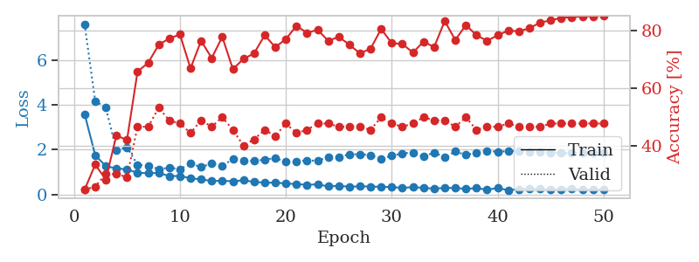
1.1874358447 | 1.8428806533 | 0.25543478261 | 0.21739130435 | 0.21233344078 | 25.543478261 | 21.739130435
1.1348457311 | 2.0123163203 | 0.25543478261 | 0.21739130435 | 0.21078538895 | 25.543478261 | 21.739130435
1.1460896394 | 2.7878727809 | 0.25543478261 | 0.21739130435 | 0.21316552162 | 25.543478261 | 21.739130435
1.1425413412 | 2.7421613465 | 0.25543478261 | 0.21739130435 | 0.21337962151 | 25.543478261 | 21.739130435
1.0928142123 | 2.78240038 | 0.25543478261 | 0.21739130435 | 0.20961165428 | 25.543478261 | 21.739130435
1.121623485 | 1.6927005986 | 0.25543478261 | 0.21739130435 | 0.20901536942 | 25.543478261 | 21.739130435
1.1180046745 | 3.0723611998 | 0.25543478261 | 0.21739130435 | 0.21026659012 | 25.543478261 | 21.739130435
1.0505569733 | 3.0011942801 | 0.25543478261 | 0.21739130435 | 0.21151471138 | 25.543478261 | 21.739130435
1.075312814 | 3.7769889832 | 0.25543478261 | 0.21739130435 | 0.21110153198 | 25.543478261 | 21.739130435
1.0652303359 | 3.6137669397 | 0.25543478261 | 0.21739130435 | 0.21292924881 | 25.543478261 | 21.739130435
1.1483837003 | 1.3897520096 | 0.24456521739 | 0.29347826087 | 0.21024250984 | 24.456521739 | 29.347826087
1.0842890169 | 4.9245200986 | 0.25543478261 | 0.21739130435 | 0.21123981476 | 25.543478261 | 21.739130435
1.0239526604 | 2.8214155591 | 0.25543478261 | 0.21739130435 | 0.21102595329 | 25.543478261 | 21.739130435
1.0056743674 | 5.5833936152 | 0.25543478261 | 0.21739130435 | 0.20951008797 | 25.543478261 | 21.739130435
0.95759037267 | 5.6224189634 | 0.25543478261 | 0.21739130435 | 0.21153020859 | 25.543478261 | 21.739130435
1.0017473568 | 9.1931015927 | 0.25543478261 | 0.21739130435 | 0.21279811859 | 25.543478261 | 21.739130435
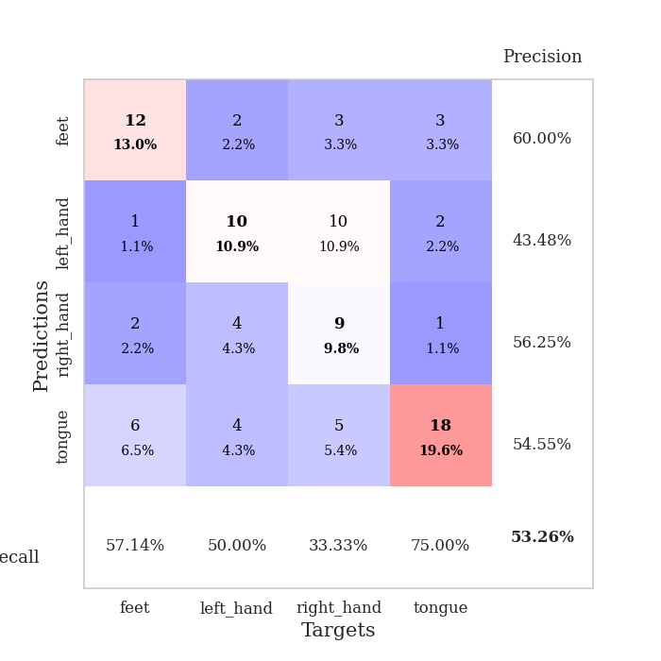
0.95955969717 | 10.903796942 | 0.25543478261 | 0.21739130435 | 0.20645308495 | 25.543478261 | 21.739130435
1.002909694 | 6.865306875 | 0.25543478261 | 0.21739130435 | 0.21167588234 | 25.543478261 | 21.739130435
0.98228631071 | 9.3246808674 | 0.25543478261 | 0.21739130435 | 0.21340489388 | 25.543478261 | 21.739130435
0.97714027633 | 1.7445103552 | 0.25543478261 | 0.21739130435 | 0.21242642403 | 25.543478261 | 21.739130435
0.98684047875 | 13.185670977 | 0.25543478261 | 0.21739130435 | 0.21168828011 | 25.543478261 | 21.739130435
0.93580768938 | 9.6901743101 | 0.25543478261 | 0.21739130435 | 0.210313797 | 25.543478261 | 21.739130435
0.92078353789 | 2.7610104913 | 0.2472826087 | 0.26086956522 | 0.21002101898 | 24.72826087 | 26.086956522
0.92463308054 | 2.6299089349 | 0.2527173913 | 0.22826086957 | 0.21328663826 | 25.27173913 | 22.826086957
0.96064477122 | 4.3973553077 | 0.2472826087 | 0.26086956522 | 0.21227884293 | 24.72826087 | 26.086956522
0.88975315768 | 2.7075525056 | 0.25543478261 | 0.21739130435 | 0.20861959457 | 25.543478261 | 21.739130435
0.8808131503 | 2.1939785584 | 0.2472826087 | 0.26086956522 | 0.21173501015 | 24.72826087 | 26.086956522
0.89002692959 | 4.3033319142 | 0.2472826087 | 0.26086956522 | 0.21093297005 | 24.72826087 | 26.086956522
0.87252415263 | 5.1840932888 | 0.2472826087 | 0.26086956522 | 0.20987939835 | 24.72826087 | 26.086956522
0.85294767566 | 2.9323805933 | 0.2472826087 | 0.26086956522 | 0.21095085144 | 24.72826087 | 26.086956522
0.86870790564 | 2.9117258735 | 0.2472826087 | 0.26086956522 | 0.21288323402 | 24.72826087 | 26.086956522
0.85405108981 | 4.5697172932 | 0.2472826087 | 0.26086956522 | 0.21116352081 | 24.72826087 | 26.086956522
0.82515641399 | 7.6450760261 | 0.2472826087 | 0.26086956522 | 0.21029233932 | 24.72826087 | 26.086956522
0.81632482617 | 11.823924313 | 0.2472826087 | 0.26086956522 | 0.21092772484 | 24.72826087 | 26.086956522
0.80987375975 | 12.633417005 | 0.2472826087 | 0.26086956522 | 0.19996523857 | 24.72826087 | 26.086956522
0.81929346401 | 12.632908406 | 0.2472826087 | 0.26086956522 | 0.20354485512 | 24.72826087 | 26.086956522
0.82186597586 | 12.675761886 | 0.2472826087 | 0.26086956522 | 0.21172142029 | 24.72826087 | 26.086956522
0.77075839043 | 10.428842171 | 0.2472826087 | 0.26086956522 | 0.21200585365 | 24.72826087 | 26.086956522
0.75707459968 | 8.0968457098 | 0.2472826087 | 0.26086956522 | 0.21054840088 | 24.72826087 | 26.086956522
0.79063831075 | 7.879613358 | 0.2472826087 | 0.26086956522 | 0.20939826965 | 24.72826087 | 26.086956522
0.76812836528 | 6.7628589506 | 0.2472826087 | 0.26086956522 | 0.21118855476 | 24.72826087 | 26.086956522
0.7299264786 | 6.8094881514 | 0.2472826087 | 0.26086956522 | 0.20931005478 | 24.72826087 | 26.086956522
0.76181520068 | 4.4801736915 | 0.2472826087 | 0.26086956522 | 0.21330881119 | 24.72826087 | 26.086956522
0.7179279133 | 3.3901010804 | 0.2472826087 | 0.26086956522 | 0.20485687256 | 24.72826087 | 26.086956522
0.71205484867 | 2.8847487802 | 0.2472826087 | 0.26086956522 | 0.21057510376 | 24.72826087 | 26.086956522
0.73957179552 | 2.3115502492 | 0.2472826087 | 0.26086956522 | 0.21267580986 | 24.72826087 | 26.086956522
0.83021819203 | 1.6846425274 | 0.2472826087 | 0.26086956522 | 0.20943284035 | 24.72826087 | 26.086956522
0.76535366411 | 1.2620458836 | 0.4402173913 | 0.47826086957 | 0.20879030228 | 44.02173913 | 47.826086957

Best Val accuracy is 0.4782608695652174 and Best test accuracy is 0.4396551724137931

Sheet6
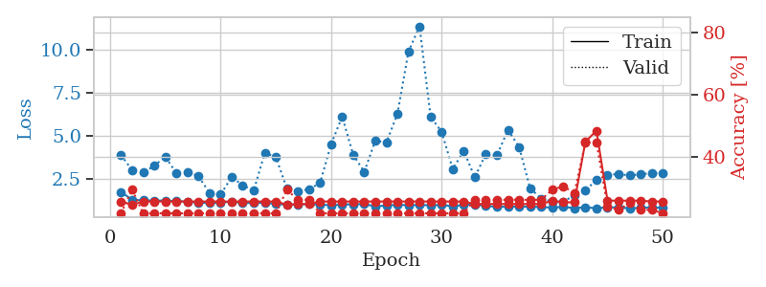
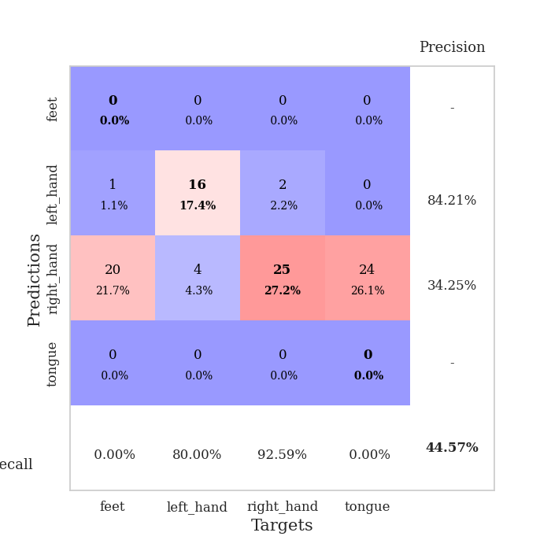
train_loss | valid_loss | train_accuracy | valid_accuracy | dur | train_misclass | valid_misclass
4.5719195656 | 4.505829355 | 0.29347826087 | 0.28260869565 | 0.084102630615 | 29.347826087 | 28.260869565
1.879345132 | 3.7019190166 | 0.3097826087 | 0.27173913043 | 0.082129240036 | 30.97826087 | 27.173913043
1.3857498739 | 2.5921785935 | 0.25543478261 | 0.22826086957 | 0.081868171692 | 25.543478261 | 22.826086957
1.3135372608 | 1.9563807612 | 0.27173913043 | 0.22826086957 | 0.082047224045 | 27.173913043 | 22.826086957
1.2310329598 | 1.2816468685 | 0.46467391304 | 0.34782608696 | 0.082284212112 | 46.467391304 | 34.782608696
1.2045567554 | 1.367305398 | 0.47554347826 | 0.34782608696 | 0.082596063614 | 47.554347826 | 34.782608696
1.0946955214 | 1.1409523383 | 0.53804347826 | 0.5 | 0.082264184952 | 53.804347826 | 50
1.0340788546 | 1.1503819486 | 0.67663043478 | 0.48913043478 | 0.082625389099 | 67.663043478 | 48.913043478
0.97124917093 | 1.1562778276 | 0.6847826087 | 0.48913043478 | 0.082565546036 | 68.47826087 | 48.913043478
0.98645791541 | 1.1105779902 | 0.73641304348 | 0.52173913043 | 0.082222223282 | 73.641304348 | 52.173913043
0.91055066689 | 1.1620844188 | 0.6277173913 | 0.46739130435 | 0.082607984543 | 62.77173913 | 46.739130435
0.8749046844 | 1.1067005759 | 0.77173913043 | 0.53260869565 | 0.082452297211 | 77.173913043 | 53.260869565
0.82406262989 | 1.096642603 | 0.79076086957 | 0.55434782609 | 0.08243393898 | 79.076086957 | 55.434782609
0.87755514487 | 1.1574339763 | 0.78804347826 | 0.48913043478 | 0.082431077957 | 78.804347826 | 48.913043478
0.76279973725 | 1.1373016523 | 0.75 | 0.5 | 0.082590341568 | 75 | 50
0.69324884207 | 1.1181595714 | 0.84782608696 | 0.52173913043 | 0.082382440567 | 84.782608696 | 52.173913043
0.68639761598 | 1.1476051496 | 0.85597826087 | 0.54347826087 | 0.08235001564 | 85.597826087 | 54.347826087
0.67743483574 | 1.1599231466 | 0.84239130435 | 0.51086956522 | 0.082414865494 | 84.239130435 | 51.086956522
0.62301095543 | 1.2190910059 | 0.82608695652 | 0.5 | 0.08266544342 | 82.608695652 | 50
0.61405758689 | 1.1351073203 | 0.85597826087 | 0.53260869565 | 0.082279205322 | 85.597826087 | 53.260869565
0.57322225623 | 1.1205368379 | 0.8722826087 | 0.53260869565 | 0.082383394241 | 87.22826087 | 53.260869565
0.59446840701 | 1.1522133247 | 0.86413043478 | 0.53260869565 | 0.08226442337 | 86.413043478 | 53.260869565
0.56796775564 | 1.2632396428 | 0.82065217391 | 0.48913043478 | 0.082296133041 | 82.065217391 | 48.913043478
0.56849005948 | 1.1251039116 | 0.88586956522 | 0.55434782609 | 0.082382678986 | 88.586956522 | 55.434782609
0.544870006 | 1.4183979034 | 0.72554347826 | 0.46739130435 | 0.082337617874 | 72.554347826 | 46.739130435
0.4755731996 | 1.3041150103 | 0.82608695652 | 0.53260869565 | 0.082114934921 | 82.608695652 | 53.260869565
0.5236895512 | 1.3569331687 | 0.76630434783 | 0.51086956522 | 0.082369089127 | 76.630434783 | 51.086956522
0.4588535441 | 1.277770426 | 0.81793478261 | 0.54347826087 | 0.082691431046 | 81.793478261 | 54.347826087
0.42311358581 | 1.4727037057 | 0.6875 | 0.45652173913 | 0.082203865051 | 68.75 | 45.652173913
0.44441318447 | 1.5032907517 | 0.71195652174 | 0.45652173913 | 0.082633733749 | 71.195652174 | 45.652173913
0.44546688251 | 1.3866584612 | 0.77989130435 | 0.48913043478 | 0.082449913025 | 77.989130435 | 48.913043478
0.38162179615 | 1.3396699066 | 0.83695652174 | 0.51086956522 | 0.082177639008 | 83.695652174 | 51.086956522
0.41770032761 | 1.5625395827 | 0.68206521739 | 0.45652173913 | 0.082562208176 | 68.206521739 | 45.652173913
0.42232176273 | 1.317715593 | 0.8722826087 | 0.55434782609 | 0.082453489304 | 87.22826087 | 55.434782609
0.34379605301 | 1.4109319759 | 0.80434782609 | 0.51086956522 | 0.082474470139 | 80.434782609 | 51.086956522
0.33986218986 | 1.3499763738 | 0.88043478261 | 0.52173913043 | 0.082693576813 | 88.043478261 | 52.173913043
0.3568875307 | 1.4608505653 | 0.82880434783 | 0.48913043478 | 0.082414627075 | 82.880434783 | 48.913043478
0.33682145761 | 1.4725978478 | 0.83423913043 | 0.5 | 0.082572221756 | 83.423913043 | 50
0.31738824786 | 1.4497494076 | 0.85054347826 | 0.54347826087 | 0.082403898239 | 85.054347826 | 54.347826087
0.33426292176 | 1.449585443 | 0.84239130435 | 0.55434782609 | 0.082203149796 | 84.239130435 | 55.434782609
0.32504169157 | 1.5064309006 | 0.79619565217 | 0.51086956522 | 0.082699775696 | 79.619565217 | 51.086956522
0.30323281236 | 1.4885211198 | 0.80434782609 | 0.5 | 0.082465648651 | 80.434782609 | 50
0.31709772867 | 1.4806890229 | 0.82336956522 | 0.51086956522 | 0.08234500885 | 82.336956522 | 51.086956522
0.32491536957 | 1.4857939896 | 0.82065217391 | 0.5 | 0.082313299179 | 82.065217391 | 50
0.33050002741 | 1.4883592492 | 0.81793478261 | 0.5 | 0.082398891449 | 81.793478261 | 50
0.32458185178 | 1.4753299122 | 0.82880434783 | 0.52173913043 | 0.082569360733 | 82.880434783 | 52.173913043
0.28068185241 | 1.4655497592 | 0.84510869565 | 0.52173913043 | 0.08212351799 | 84.510869565 | 52.173913043
0.29726704534 | 1.4596233938 | 0.85326086957 | 0.52173913043 | 0.082461833954 | 85.326086957 | 52.173913043
0.33485859373 | 1.4559430247 | 0.86413043478 | 0.53260869565 | 0.082164287567 | 86.413043478 | 53.260869565
0.29713107062 | 1.4530383608 | 0.86956521739 | 0.54347826087 | 0.082676172256 | 86.956521739 | 54.347826087

Best Val accuracy is 0.5543478260869565 and Best test accuracy is 0.43103448275862066
train_loss | valid_loss | train_accuracy | valid_accuracy | dur | train_misclass | valid_misclass
3.4434496112 | 23.959617532 | 0.2527173913 | 0.26086956522 | 0.082503080368 | 25.27173913 | 26.086956522
1.5921841393 | 5.437119826 | 0.29347826087 | 0.29347826087 | 0.080888271332 | 29.347826087 | 29.347826087
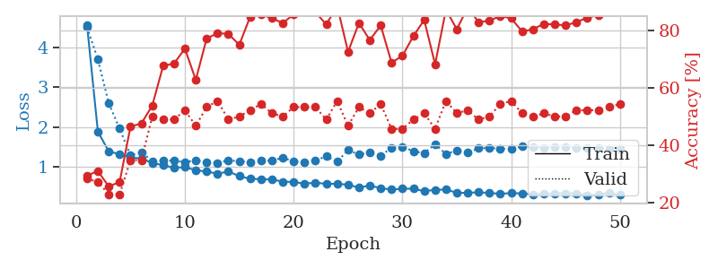
1.4486911038 | 3.7817476418 | 0.31793478261 | 0.29347826087 | 0.08080291748 | 31.793478261 | 29.347826087
1.2250453441 | 1.9693713033 | 0.40760869565 | 0.36956521739 | 0.080737829208 | 40.760869565 | 36.956521739
1.0754823918 | 1.5186841436 | 0.48369565217 | 0.4347826087 | 0.080422639847 | 48.369565217 | 43.47826087
1.0400119683 | 1.3843378425 | 0.55434782609 | 0.42391304348 | 0.080419301987 | 55.434782609 | 42.391304348
1.0453133117 | 1.1990064927 | 0.70380434783 | 0.4347826087 | 0.080256462097 | 70.380434783 | 43.47826087
0.97608725921 | 1.2074252833 | 0.72826086957 | 0.4347826087 | 0.081896066666 | 72.826086957 | 43.47826087
0.89252963273 | 1.1882346221 | 0.71739130435 | 0.44565217391 | 0.081194639206 | 71.739130435 | 44.565217391
0.90672123173 | 1.2783223909 | 0.76086956522 | 0.42391304348 | 0.080901384354 | 76.086956522 | 42.391304348
0.80953303109 | 1.4064352046 | 0.70652173913 | 0.42391304348 | 0.080317974091 | 70.652173913 | 42.391304348
0.79921996334 | 1.3511144286 | 0.7472826087 | 0.41304347826 | 0.080141305923 | 74.72826087 | 41.304347826
0.74083223161 | 1.3159997049 | 0.77717391304 | 0.4347826087 | 0.080354213715 | 77.717391304 | 43.47826087
0.66499789772 | 1.6482898412 | 0.64130434783 | 0.4347826087 | 0.080374479294 | 64.130434783 | 43.47826087
0.69212805707 | 1.547367806 | 0.73369565217 | 0.46739130435 | 0.080196380615 | 73.369565217 | 46.739130435
0.63712101656 | 1.777510643 | 0.70652173913 | 0.44565217391 | 0.080363273621 | 70.652173913 | 44.565217391
0.57056393183 | 1.6718883929 | 0.70652173913 | 0.44565217391 | 0.080492258072 | 70.652173913 | 44.565217391
0.58104231047 | 1.5189853077 | 0.84239130435 | 0.51086956522 | 0.080578804016 | 84.239130435 | 51.086956522
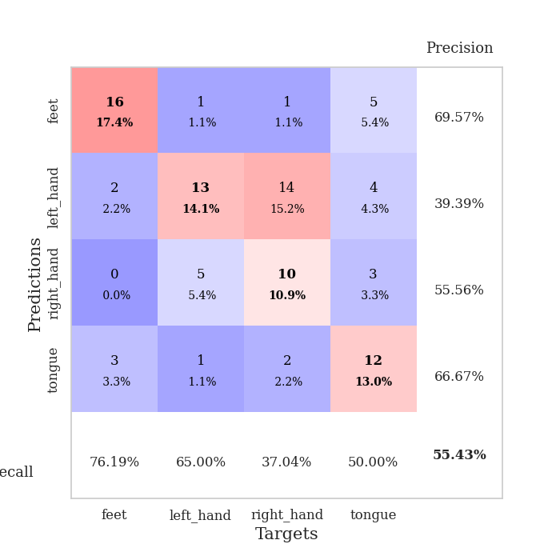
0.54360616725 | 1.6222860709 | 0.80706521739 | 0.48913043478 | 0.080874681473 | 80.706521739 | 48.913043478
0.51270485054 | 1.741679627 | 0.70923913043 | 0.46739130435 | 0.080550193787 | 70.923913043 | 46.739130435
0.42970260233 | 1.7433188065 | 0.72826086957 | 0.41304347826 | 0.080713748932 | 72.826086957 | 41.304347826
0.47342890031 | 1.7913298089 | 0.78804347826 | 0.51086956522 | 0.080976009369 | 78.804347826 | 51.086956522
0.44389678927 | 1.7604826533 | 0.80163043478 | 0.47826086957 | 0.080779314041 | 80.163043478 | 47.826086957
0.39748238416 | 1.6011511502 | 0.83423913043 | 0.5 | 0.080482244492 | 83.423913043 | 50
0.4347932546 | 1.7512338006 | 0.82608695652 | 0.53260869565 | 0.08075428009 | 82.608695652 | 53.260869565
0.37299690558 | 1.783671291 | 0.77445652174 | 0.46739130435 | 0.080751895905 | 77.445652174 | 46.739130435
0.41514433143 | 1.9378570992 | 0.74456521739 | 0.47826086957 | 0.08056473732 | 74.456521739 | 47.826086957
0.31482925493 | 2.0577078591 | 0.73369565217 | 0.45652173913 | 0.08065533638 | 73.369565217 | 45.652173913
0.38085224155 | 2.025062219 | 0.77717391304 | 0.44565217391 | 0.0805747509 | 77.717391304 | 44.565217391
0.34587540445 | 1.9197127715 | 0.82608695652 | 0.47826086957 | 0.080582857132 | 82.608695652 | 47.826086957
0.32723405309 | 2.1740811078 | 0.74184782609 | 0.45652173913 | 0.081080913544 | 74.184782609 | 45.652173913
0.32957957329 | 1.9554173739 | 0.79347826087 | 0.45652173913 | 0.08074426651 | 79.347826087 | 45.652173913
0.34143036928 | 1.9281667834 | 0.82608695652 | 0.48913043478 | 0.080594539642 | 82.608695652 | 48.913043478
0.33073298536 | 1.8628143539 | 0.82336956522 | 0.5 | 0.080769538879 | 82.336956522 | 50
0.26567004783 | 1.990102032 | 0.77445652174 | 0.44565217391 | 0.080856084824 | 77.445652174 | 44.565217391
0.29160071861 | 1.9770649309 | 0.8125 | 0.48913043478 | 0.080771923065 | 81.25 | 48.913043478
0.33696033741 | 2.0020054942 | 0.78532608696 | 0.47826086957 | 0.080695152283 | 78.532608696 | 47.826086957
0.28674512065 | 1.9269214817 | 0.83423913043 | 0.48913043478 | 0.080665588379 | 83.423913043 | 48.913043478
0.26192466656 | 1.9935190263 | 0.79891304348 | 0.48913043478 | 0.080637693405 | 79.891304348 | 48.913043478
0.28942013888 | 1.9426011728 | 0.8152173913 | 0.5 | 0.080728530884 | 81.52173913 | 50
0.26886710557 | 2.0061484523 | 0.80706521739 | 0.48913043478 | 0.080656766891 | 80.706521739 | 48.913043478
0.27003834202 | 2.0096489969 | 0.82065217391 | 0.48913043478 | 0.08073091507 | 82.065217391 | 48.913043478
0.22557347657 | 2.0070290876 | 0.82880434783 | 0.5 | 0.080681800842 | 82.880434783 | 50
0.23956179716 | 1.9754777577 | 0.83967391304 | 0.51086956522 | 0.080569267273 | 83.967391304 | 51.086956522
0.2716514797 | 1.9758615079 | 0.83695652174 | 0.51086956522 | 0.080679178238 | 83.695652174 | 51.086956522
0.26965541198 | 1.9764070615 | 0.83695652174 | 0.51086956522 | 0.080736160278 | 83.695652174 | 51.086956522
0.24893937066 | 1.9694517592 | 0.85054347826 | 0.51086956522 | 0.080739021301 | 85.054347826 | 51.086956522
0.25848688995 | 1.9645652045 | 0.85326086957 | 0.51086956522 | 0.081116437912 | 85.326086957 | 51.086956522
0.28304216703 | 1.9603600709 | 0.85326086957 | 0.5 | 0.082153558731 | 85.326086957 | 50
0.2598660206 | 1.9570683707 | 0.85597826087 | 0.5 | 0.080595970154 | 85.597826087 | 50

Best Val accuracy is 0.532608695652174 and Best test accuracy is 0.5
train_loss | valid_loss | train_accuracy | valid_accuracy | dur | train_misclass | valid_misclass
1.7415288376 | 3.8759064052 | 0.25543478261 | 0.21739130435 | 0.20578551292 | 25.543478261 | 21.739130435
1.2803790155 | 3.0158103549 | 0.24456521739 | 0.29347826087 | 0.21006464958 | 24.456521739 | 29.347826087
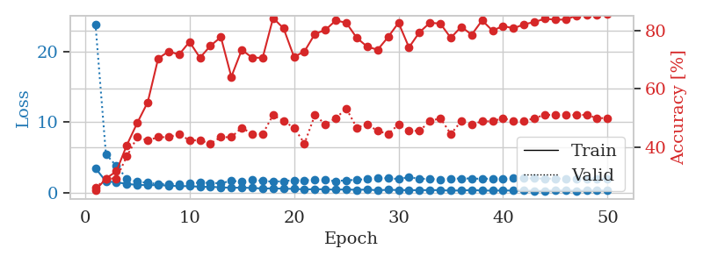
1.2519204046 | 2.8611572203 | 0.25543478261 | 0.21739130435 | 0.21064066887 | 25.543478261 | 21.739130435
1.2323302549 | 3.2555228938 | 0.25543478261 | 0.21739130435 | 0.21065139771 | 25.543478261 | 21.739130435
1.240956094 | 3.7897895937 | 0.25543478261 | 0.21739130435 | 0.20958042145 | 25.543478261 | 21.739130435
1.2051965672 | 2.8362438886 | 0.25543478261 | 0.21739130435 | 0.20909285545 | 25.543478261 | 21.739130435
1.1736489301 | 2.8977838496 | 0.25543478261 | 0.21739130435 | 0.20862627029 | 25.543478261 | 21.739130435
1.1243574334 | 2.663778274 | 0.25543478261 | 0.21739130435 | 0.20985627174 | 25.543478261 | 21.739130435
1.083313193 | 1.6792982765 | 0.25543478261 | 0.21739130435 | 0.20755076408 | 25.543478261 | 21.739130435
1.1236294171 | 1.5866502938 | 0.25543478261 | 0.21739130435 | 0.21056747437 | 25.543478261 | 21.739130435
1.1802737817 | 2.5940232588 | 0.25543478261 | 0.21739130435 | 0.20856142044 | 25.543478261 | 21.739130435
1.1011446922 | 2.1301419009 | 0.25543478261 | 0.21739130435 | 0.20964956284 | 25.543478261 | 21.739130435
1.092593263 | 1.8144672176 | 0.25543478261 | 0.21739130435 | 0.21286010742 | 25.543478261 | 21.739130435
1.1115708533 | 4.0085860335 | 0.25543478261 | 0.21739130435 | 0.20947980881 | 25.543478261 | 21.739130435
1.0420531449 | 3.7661142557 | 0.25543478261 | 0.21739130435 | 0.21386313438 | 25.543478261 | 21.739130435
1.0006094316 | 1.944551727 | 0.24456521739 | 0.29347826087 | 0.21005821228 | 24.456521739 | 29.347826087
1.0181155775 | 1.7827664199 | 0.2472826087 | 0.26086956522 | 0.21010661125 | 24.72826087 | 26.086956522
1.0319769279 | 1.893673477 | 0.2472826087 | 0.26086956522 | 0.20864462852 | 24.72826087 | 26.086956522
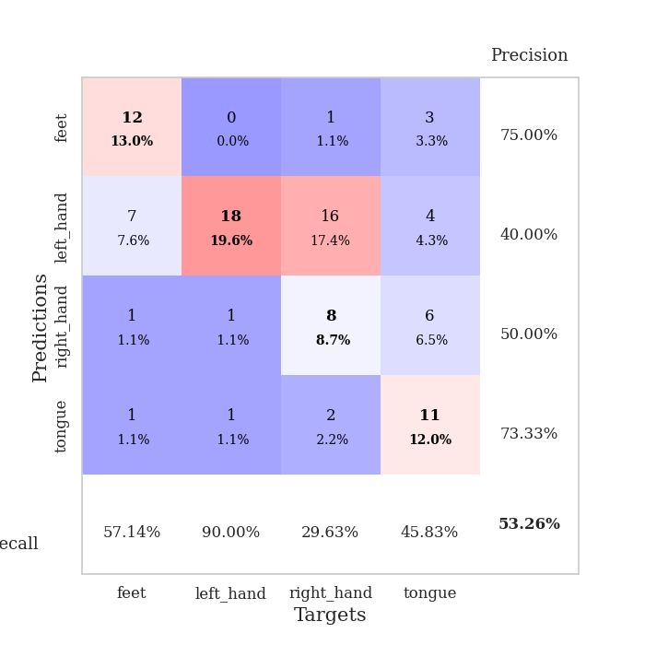
1.0189048155 | 2.2594279932 | 0.25543478261 | 0.21739130435 | 0.20830321312 | 25.543478261 | 21.739130435
0.95203167718 | 4.5088607125 | 0.25543478261 | 0.21739130435 | 0.2039437294 | 25.543478261 | 21.739130435
1.0127321197 | 6.1187577455 | 0.25543478261 | 0.21739130435 | 0.21047258377 | 25.543478261 | 21.739130435
1.018230205 | 3.9013745888 | 0.25543478261 | 0.21739130435 | 0.20994877815 | 25.543478261 | 21.739130435
1.0383960682 | 2.9032180206 | 0.25543478261 | 0.21739130435 | 0.21000146866 | 25.543478261 | 21.739130435
0.89861806061 | 4.7216281684 | 0.25543478261 | 0.21739130435 | 0.21180844307 | 25.543478261 | 21.739130435
0.95214054377 | 4.6118641936 | 0.25543478261 | 0.21739130435 | 0.21238303185 | 25.543478261 | 21.739130435
0.9956172005 | 6.2755243053 | 0.25543478261 | 0.21739130435 | 0.20795488358 | 25.543478261 | 21.739130435
0.96724920947 | 9.9007951073 | 0.25543478261 | 0.21739130435 | 0.21107172966 | 25.543478261 | 21.739130435
0.98274517578 | 11.364696959 | 0.25543478261 | 0.21739130435 | 0.21025276184 | 25.543478261 | 21.739130435
0.96129937276 | 6.108990068 | 0.25543478261 | 0.21739130435 | 0.21023821831 | 25.543478261 | 21.739130435
0.98009224042 | 5.223894679 | 0.25543478261 | 0.21739130435 | 0.2114572525 | 25.543478261 | 21.739130435
0.91152401333 | 3.0780467676 | 0.25543478261 | 0.21739130435 | 0.20932936668 | 25.543478261 | 21.739130435
0.98464271037 | 4.1099383727 | 0.25543478261 | 0.21739130435 | 0.20903658867 | 25.543478261 | 21.739130435
1.0125322005 | 2.596845575 | 0.2472826087 | 0.26086956522 | 0.21038222313 | 24.72826087 | 26.086956522
0.91931581756 | 3.951585666 | 0.2472826087 | 0.26086956522 | 0.20943212509 | 24.72826087 | 26.086956522
0.87843035097 | 3.8745880542 | 0.2472826087 | 0.26086956522 | 0.21328163147 | 24.72826087 | 26.086956522
0.883296158 | 5.3420956653 | 0.2472826087 | 0.26086956522 | 0.21271324158 | 24.72826087 | 26.086956522
0.88662319339 | 4.3577501256 | 0.2472826087 | 0.26086956522 | 0.20591115952 | 24.72826087 | 26.086956522
0.8820005448 | 1.9549859296 | 0.2472826087 | 0.26086956522 | 0.21021652222 | 24.72826087 | 26.086956522
0.8627695817 | 1.3558451507 | 0.2472826087 | 0.26086956522 | 0.20746684074 | 24.72826087 | 26.086956522
0.82275022372 | 1.1768271508 | 0.25815217391 | 0.29347826087 | 0.20950031281 | 25.815217391 | 29.347826087
0.88017991833 | 1.1729753484 | 0.2527173913 | 0.30434782609 | 0.20902442932 | 25.27173913 | 30.434782609
0.79044902584 | 1.542505653 | 0.2527173913 | 0.28260869565 | 0.2120039463 | 25.27173913 | 28.260869565
0.85372310488 | 1.835772447 | 0.44836956522 | 0.44565217391 | 0.20939135551 | 44.836956522 | 44.565217391
0.78747237506 | 2.430856259 | 0.48369565217 | 0.44565217391 | 0.21006846428 | 48.369565217 | 44.565217391
0.85377760815 | 2.7293376404 | 0.25815217391 | 0.23913043478 | 0.20932841301 | 25.815217391 | 23.913043478
0.83475421045 | 2.783002926 | 0.25815217391 | 0.22826086957 | 0.20844459534 | 25.815217391 | 22.826086957
0.78783811175 | 2.6921045366 | 0.25815217391 | 0.25 | 0.20896625519 | 25.815217391 | 25
0.80950572957 | 2.7635846656 | 0.25815217391 | 0.22826086957 | 0.20774149895 | 25.815217391 | 22.826086957
0.85209823691 | 2.8316462247 | 0.25543478261 | 0.22826086957 | 0.21091341972 | 25.543478261 | 22.826086957
0.80802213757 | 2.8161148403 | 0.25543478261 | 0.21739130435 | 0.21279025078 | 25.543478261 | 21.739130435

Best Val accuracy is 0.44565217391304346 and Best test accuracy is 0.4224137931034483

Sheet7
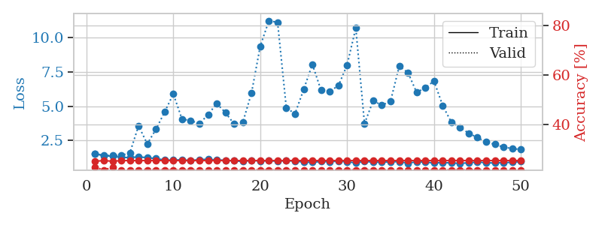
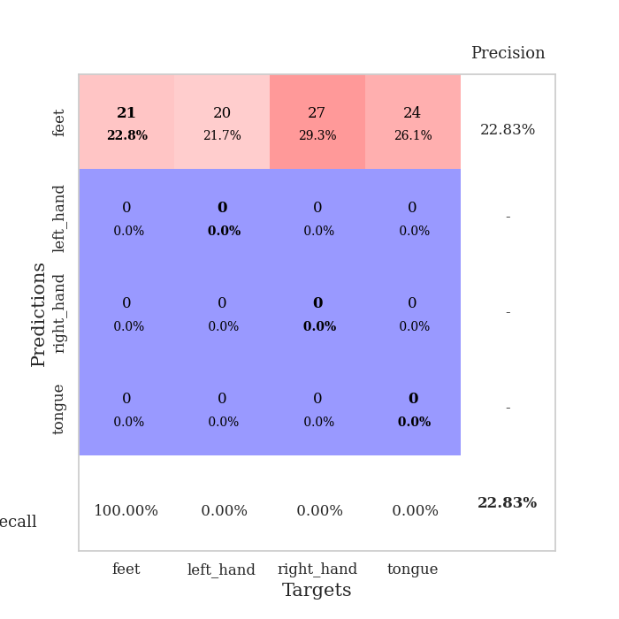
train_loss | valid_loss | train_accuracy | valid_accuracy | dur | train_misclass | valid_misclass
2.5927438736 | 2.4246847422 | 0.24456521739 | 0.29347826087 | 0.084264755249 | 24.456521739 | 29.347826087
1.5430890322 | 2.0413148144 | 0.35054347826 | 0.26086956522 | 0.081930398941 | 35.054347826 | 26.086956522
1.2762045834 | 1.8525098148 | 0.39402173913 | 0.36956521739 | 0.081889152527 | 39.402173913 | 36.956521739
1.2154639648 | 1.6355417863 | 0.47554347826 | 0.38043478261 | 0.082033157349 | 47.554347826 | 38.043478261
1.1567910832 | 1.4625474111 | 0.58152173913 | 0.36956521739 | 0.081958293915 | 58.152173913 | 36.956521739
1.0036272122 | 1.3654992425 | 0.6847826087 | 0.40217391304 | 0.081815242767 | 68.47826087 | 40.217391304
0.98024602299 | 1.2238321123 | 0.75543478261 | 0.46739130435 | 0.082144498825 | 75.543478261 | 46.739130435
0.89537275615 | 1.2014244354 | 0.75 | 0.46739130435 | 0.082443475723 | 75 | 46.739130435
0.90832024424 | 1.1907544032 | 0.80434782609 | 0.51086956522 | 0.082195281982 | 80.434782609 | 51.086956522
0.7889925682 | 1.2764589139 | 0.77717391304 | 0.42391304348 | 0.082439422607 | 77.717391304 | 42.391304348
0.73606858435 | 1.3093427186 | 0.80706521739 | 0.40217391304 | 0.082198858261 | 80.706521739 | 40.217391304
0.68740356098 | 1.5007352881 | 0.77173913043 | 0.35869565217 | 0.085306406021 | 77.173913043 | 35.869565217
0.65730992219 | 1.3453670714 | 0.80434782609 | 0.42391304348 | 0.082396268845 | 80.434782609 | 42.391304348
0.64428385833 | 1.4041213756 | 0.85054347826 | 0.42391304348 | 0.082545995712 | 85.054347826 | 42.391304348
0.55555690112 | 1.8548248229 | 0.69836956522 | 0.34782608696 | 0.082446813583 | 69.836956522 | 34.782608696
0.546145088 | 1.3768518256 | 0.8777173913 | 0.47826086957 | 0.08247089386 | 87.77173913 | 47.826086957
0.53326317603 | 1.4654884105 | 0.86413043478 | 0.38043478261 | 0.082634210587 | 86.413043478 | 38.043478261
0.48089080595 | 1.966787048 | 0.72010869565 | 0.38043478261 | 0.082470178604 | 72.010869565 | 38.043478261
0.40807028763 | 1.5707331792 | 0.8777173913 | 0.41304347826 | 0.08275437355 | 87.77173913 | 41.304347826
0.40752190416 | 1.3466425331 | 0.9375 | 0.48913043478 | 0.082756280899 | 93.75 | 48.913043478
0.44539239484 | 1.9317303118 | 0.78532608696 | 0.38043478261 | 0.082550525665 | 78.532608696 | 38.043478261
0.37853314468 | 1.4034403096 | 0.95108695652 | 0.46739130435 | 0.082426786423 | 95.108695652 | 46.739130435
0.34776922607 | 1.6604919589 | 0.80163043478 | 0.46739130435 | 0.082387924194 | 80.163043478 | 46.739130435
0.37034906771 | 1.6697753875 | 0.86141304348 | 0.42391304348 | 0.082392930984 | 86.141304348 | 42.391304348
0.30451369707 | 1.5551560029 | 0.89402173913 | 0.42391304348 | 0.08240032196 | 89.402173913 | 42.391304348
0.30199709016 | 1.5913971352 | 0.91032608696 | 0.39130434783 | 0.082696676254 | 91.032608696 | 39.130434783
0.38170417495 | 1.680837626 | 0.92119565217 | 0.35869565217 | 0.082684755325 | 92.119565217 | 35.869565217
0.23533304473 | 1.828798123 | 0.875 | 0.40217391304 | 0.082952022552 | 87.5 | 40.217391304
0.27829187201 | 1.6235092049 | 0.94565217391 | 0.42391304348 | 0.082656860352 | 94.565217391 | 42.391304348
0.28860427731 | 1.5053878323 | 0.95923913043 | 0.45652173913 | 0.082691669464 | 95.923913043 | 45.652173913
0.26347057716 | 1.5313366004 | 0.95923913043 | 0.42391304348 | 0.082863807678 | 95.923913043 | 42.391304348
0.28299873484 | 1.6273850721 | 0.94565217391 | 0.46739130435 | 0.082746267319 | 94.565217391 | 46.739130435
0.32126828251 | 1.7636030239 | 0.92934782609 | 0.40217391304 | 0.082745313644 | 92.934782609 | 40.217391304
0.32832899236 | 1.6686113477 | 0.91576086957 | 0.39130434783 | 0.08275437355 | 91.576086957 | 39.130434783
0.28660306205 | 1.6302977878 | 0.92934782609 | 0.44565217391 | 0.082560539246 | 92.934782609 | 44.565217391
0.25200832862 | 1.8549167643 | 0.89402173913 | 0.42391304348 | 0.083068609238 | 89.402173913 | 42.391304348
0.23878652019 | 1.8899201258 | 0.88315217391 | 0.41304347826 | 0.082562208176 | 88.315217391 | 41.304347826
0.25733357182 | 1.8966357034 | 0.85597826087 | 0.42391304348 | 0.082602977753 | 85.597826087 | 42.391304348
0.26692717652 | 1.8166103881 | 0.89402173913 | 0.42391304348 | 0.08270072937 | 89.402173913 | 42.391304348
0.22459654121 | 1.8381743172 | 0.90217391304 | 0.41304347826 | 0.082812070847 | 90.217391304 | 41.304347826
0.24023197073 | 1.8592915069 | 0.90217391304 | 0.40217391304 | 0.082641839981 | 90.217391304 | 40.217391304
0.20080732165 | 1.8129532648 | 0.91304347826 | 0.41304347826 | 0.082666397095 | 91.304347826 | 41.304347826
0.22736510051 | 1.7732400842 | 0.92119565217 | 0.41304347826 | 0.082805156708 | 92.119565217 | 41.304347826
0.25641710473 | 1.7436631659 | 0.9347826087 | 0.4347826087 | 0.082791805267 | 93.47826087 | 43.47826087
0.20624215334 | 1.7334709323 | 0.9375 | 0.4347826087 | 0.082867622375 | 93.75 | 43.47826087
0.18615926964 | 1.7318344013 | 0.9375 | 0.4347826087 | 0.084498882294 | 93.75 | 43.47826087
0.25783673447 | 1.7362769376 | 0.9375 | 0.4347826087 | 0.082087516785 | 93.75 | 43.47826087
0.24474695908 | 1.740988353 | 0.9375 | 0.4347826087 | 0.082127094269 | 93.75 | 43.47826087
0.22960027502 | 1.7423737723 | 0.9375 | 0.4347826087 | 0.08189034462 | 93.75 | 43.47826087
0.2426450936 | 1.7440004608 | 0.9375 | 0.4347826087 | 0.081990242004 | 93.75 | 43.47826087

Best Val accuracy is 0.5108695652173914 and Best test accuracy is 0.4224137931034483
train_loss | valid_loss | train_accuracy | valid_accuracy | dur | train_misclass | valid_misclass
2.9381752636 | 2.6913356055 | 0.29619565217 | 0.28260869565 | 0.085893392563 | 29.619565217 | 28.260869565
1.5564839788 | 2.0368039038 | 0.32608695652 | 0.3152173913 | 0.081706285477 | 32.608695652 | 31.52173913
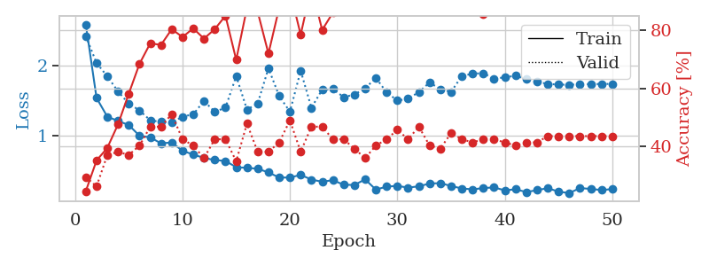
1.299848287 | 1.8622262426 | 0.25543478261 | 0.28260869565 | 0.08173418045 | 25.543478261 | 28.260869565
1.1801694528 | 1.2776604554 | 0.45652173913 | 0.5 | 0.085074901581 | 45.652173913 | 50
1.0791454523 | 1.3063680866 | 0.60869565217 | 0.36956521739 | 0.082755804062 | 60.869565217 | 36.956521739
0.99563685967 | 1.1680178487 | 0.70380434783 | 0.55434782609 | 0.081894397736 | 70.380434783 | 55.434782609
1.0073484597 | 1.241254594 | 0.71467391304 | 0.44565217391 | 0.081881046295 | 71.467391304 | 44.565217391
0.89859553524 | 1.3382946356 | 0.7527173913 | 0.4347826087 | 0.081786155701 | 75.27173913 | 43.47826087
0.87131861759 | 1.3766440024 | 0.76630434783 | 0.44565217391 | 0.081529855728 | 76.630434783 | 44.565217391
0.8447771176 | 1.449696121 | 0.80706521739 | 0.48913043478 | 0.081731557846 | 80.706521739 | 48.913043478
0.79818990308 | 1.4537174235 | 0.79076086957 | 0.44565217391 | 0.08166384697 | 79.076086957 | 44.565217391
0.74561618204 | 1.4046135674 | 0.84782608696 | 0.42391304348 | 0.081932544708 | 84.782608696 | 42.391304348
0.74960385328 | 1.3376969203 | 0.8777173913 | 0.46739130435 | 0.081794261932 | 87.77173913 | 46.739130435
0.68030017744 | 1.4060987856 | 0.83152173913 | 0.4347826087 | 0.081693887711 | 83.152173913 | 43.47826087
0.65315293359 | 1.3922736489 | 0.85326086957 | 0.41304347826 | 0.081639766693 | 85.326086957 | 41.304347826
0.63002842535 | 1.4063394018 | 0.84510869565 | 0.5 | 0.081513881683 | 84.510869565 | 50
0.62874277778 | 1.3810082415 | 0.8125 | 0.48913043478 | 0.081733465195 | 81.25 | 48.913043478
0.55290154206 | 1.5464128463 | 0.86413043478 | 0.45652173913 | 0.082701206207 | 86.413043478 | 45.652173913
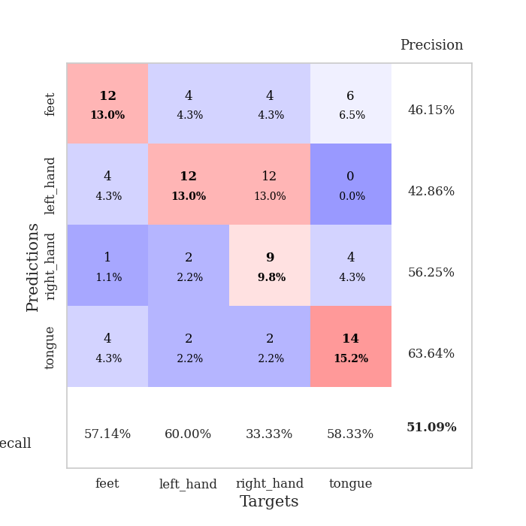
0.57280719669 | 1.4697929258 | 0.8777173913 | 0.44565217391 | 0.08000087738 | 87.77173913 | 44.565217391
0.52082350915 | 1.5609945629 | 0.80434782609 | 0.46739130435 | 0.080010175705 | 80.434782609 | 46.739130435
0.54272201139 | 1.7652412394 | 0.75815217391 | 0.41304347826 | 0.080132961273 | 75.815217391 | 41.304347826
0.49518198293 | 1.6114587525 | 0.83695652174 | 0.46739130435 | 0.080051422119 | 83.695652174 | 46.739130435
0.54257074646 | 1.643801487 | 0.875 | 0.46739130435 | 0.080008506775 | 87.5 | 46.739130435
0.48892861281 | 1.6241661777 | 0.81793478261 | 0.45652173913 | 0.080217123032 | 81.793478261 | 45.652173913
0.40922441236 | 1.6285653062 | 0.78260869565 | 0.45652173913 | 0.080505847931 | 78.260869565 | 45.652173913
0.4135841345 | 1.7549179585 | 0.78804347826 | 0.45652173913 | 0.080656051636 | 78.804347826 | 45.652173913
0.43489964177 | 1.5474365431 | 0.86956521739 | 0.46739130435 | 0.080502748489 | 86.956521739 | 46.739130435
0.34473136812 | 1.7216137129 | 0.85054347826 | 0.44565217391 | 0.080425739288 | 85.054347826 | 44.565217391
0.41227012225 | 1.6584089528 | 0.86956521739 | 0.46739130435 | 0.080357789993 | 86.956521739 | 46.739130435
0.37277466512 | 1.7163049656 | 0.85054347826 | 0.46739130435 | 0.080348730087 | 85.054347826 | 46.739130435
0.35949099453 | 1.6439053131 | 0.90217391304 | 0.46739130435 | 0.080325603485 | 90.217391304 | 46.739130435
0.33368757367 | 1.7824475454 | 0.8777173913 | 0.45652173913 | 0.08067035675 | 87.77173913 | 45.652173913
0.36724099744 | 1.7657345274 | 0.89130434783 | 0.46739130435 | 0.080724954605 | 89.130434783 | 46.739130435
0.30983632933 | 1.8416289558 | 0.86413043478 | 0.46739130435 | 0.080505847931 | 86.413043478 | 46.739130435
0.28809414658 | 1.9057276042 | 0.84510869565 | 0.46739130435 | 0.080405473709 | 84.510869565 | 46.739130435
0.32844746728 | 1.926757657 | 0.82336956522 | 0.45652173913 | 0.080724239349 | 82.336956522 | 45.652173913
0.30667468193 | 1.9330848093 | 0.86684782609 | 0.46739130435 | 0.080318689346 | 86.684782609 | 46.739130435
0.30032380444 | 1.9103836599 | 0.8722826087 | 0.47826086957 | 0.080472707748 | 87.22826087 | 47.826086957
0.2686461505 | 1.8379324467 | 0.89402173913 | 0.47826086957 | 0.08056974411 | 89.402173913 | 47.826086957
0.25366760855 | 1.8503184267 | 0.90489130435 | 0.47826086957 | 0.080722093582 | 90.489130435 | 47.826086957
0.25104775474 | 1.8762928455 | 0.90489130435 | 0.46739130435 | 0.080626249313 | 90.489130435 | 46.739130435
0.2715177238 | 1.8482468025 | 0.89402173913 | 0.48913043478 | 0.080695867538 | 89.402173913 | 48.913043478
0.31783634392 | 1.8473623058 | 0.89402173913 | 0.48913043478 | 0.080654621124 | 89.402173913 | 48.913043478
0.25421506652 | 1.8681976121 | 0.89673913043 | 0.5 | 0.080407857895 | 89.673913043 | 50
0.2612965094 | 1.8550957545 | 0.90217391304 | 0.5 | 0.080541372299 | 90.217391304 | 50
0.22232512126 | 1.8529923532 | 0.90489130435 | 0.51086956522 | 0.080466032028 | 90.489130435 | 51.086956522
0.24145271078 | 1.8598085486 | 0.90489130435 | 0.5 | 0.080383300781 | 90.489130435 | 50
0.2753942165 | 1.8551535814 | 0.90489130435 | 0.51086956522 | 0.081787347794 | 90.489130435 | 51.086956522
0.26275432013 | 1.8505582654 | 0.90760869565 | 0.51086956522 | 0.081809997559 | 90.760869565 | 51.086956522
0.31136333878 | 1.8472531723 | 0.90760869565 | 0.51086956522 | 0.081022500992 | 90.760869565 | 51.086956522

Best Val accuracy is 0.5543478260869565 and Best test accuracy is 0.47413793103448276
train_loss | valid_loss | train_accuracy | valid_accuracy | dur | train_misclass | valid_misclass
1.5326932565 | 1.5061440831 | 0.2527173913 | 0.22826086957 | 0.20606470108 | 25.27173913 | 22.826086957
1.3852267939 | 1.3922258045 | 0.25543478261 | 0.21739130435 | 0.21274447441 | 25.543478261 | 21.739130435
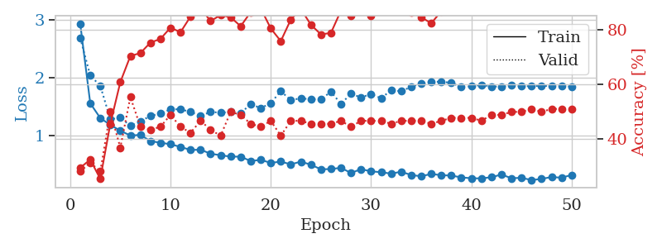
1.3367030724 | 1.4068563451 | 0.2527173913 | 0.22826086957 | 0.20890474319 | 25.27173913 | 22.826086957
1.2573545549 | 1.4006785362 | 0.25543478261 | 0.21739130435 | 0.20985746384 | 25.543478261 | 21.739130435
1.2466314254 | 1.5941747738 | 0.25543478261 | 0.21739130435 | 0.21025013924 | 25.543478261 | 21.739130435
1.2936957893 | 3.5649306878 | 0.25543478261 | 0.21739130435 | 0.20883727074 | 25.543478261 | 21.739130435
1.2382190642 | 2.2442266319 | 0.25543478261 | 0.21739130435 | 0.20988917351 | 25.543478261 | 21.739130435
1.167885954 | 3.31074611 | 0.25543478261 | 0.21739130435 | 0.20570158958 | 25.543478261 | 21.739130435
1.0691841426 | 4.5758219595 | 0.25543478261 | 0.21739130435 | 0.2096824646 | 25.543478261 | 21.739130435
1.0600357807 | 5.8867232903 | 0.25543478261 | 0.21739130435 | 0.21064949036 | 25.543478261 | 21.739130435
1.0857679248 | 4.0527306018 | 0.25543478261 | 0.21739130435 | 0.21172571182 | 25.543478261 | 21.739130435
1.0319138092 | 3.9478723899 | 0.25543478261 | 0.21739130435 | 0.21093630791 | 25.543478261 | 21.739130435
1.0981864566 | 3.719004631 | 0.25543478261 | 0.21739130435 | 0.20944213867 | 25.543478261 | 21.739130435
1.1190227452 | 4.3861514382 | 0.25543478261 | 0.21739130435 | 0.20942902565 | 25.543478261 | 21.739130435
1.0679468538 | 5.1917812306 | 0.25543478261 | 0.21739130435 | 0.2093539238 | 25.543478261 | 21.739130435
1.0549981439 | 4.5223791496 | 0.25543478261 | 0.21739130435 | 0.21072149277 | 25.543478261 | 21.739130435
1.0068541506 | 3.6979334873 | 0.25543478261 | 0.21739130435 | 0.20762968063 | 25.543478261 | 21.739130435
0.95687031487 | 3.8235028308 | 0.25543478261 | 0.21739130435 | 0.21147084236 | 25.543478261 | 21.739130435
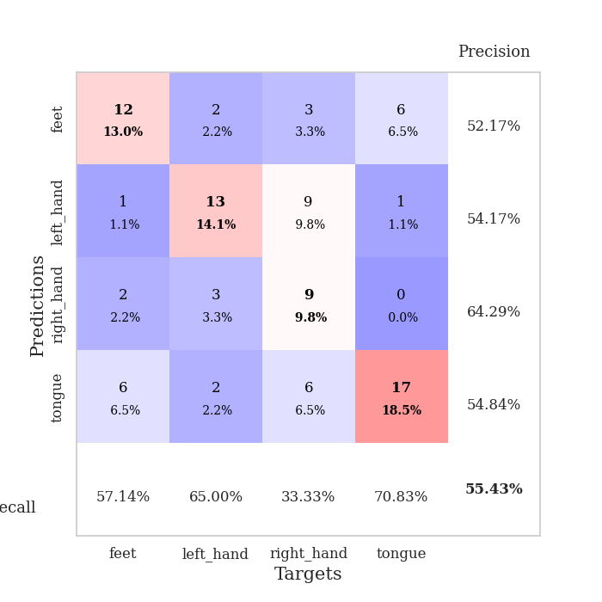
1.045547716 | 5.9698549561 | 0.25543478261 | 0.21739130435 | 0.21307110786 | 25.543478261 | 21.739130435
0.99143469074 | 9.3711765538 | 0.25543478261 | 0.21739130435 | 0.21005010605 | 25.543478261 | 21.739130435
1.006720758 | 11.247255864 | 0.25543478261 | 0.21739130435 | 0.21390032768 | 25.543478261 | 21.739130435
0.98140041206 | 11.116910312 | 0.25543478261 | 0.21739130435 | 0.21132588387 | 25.543478261 | 21.739130435
1.0211878808 | 4.8929091536 | 0.25543478261 | 0.21739130435 | 0.21088075638 | 25.543478261 | 21.739130435
0.9878234656 | 4.4351179081 | 0.25543478261 | 0.21739130435 | 0.20121884346 | 25.543478261 | 21.739130435
0.91534418386 | 6.2180422078 | 0.25543478261 | 0.21739130435 | 0.21087288857 | 25.543478261 | 21.739130435
0.90013325992 | 8.0554496516 | 0.25543478261 | 0.21739130435 | 0.20196676254 | 25.543478261 | 21.739130435
0.95539694506 | 6.162003372 | 0.25543478261 | 0.21739130435 | 0.20979809761 | 25.543478261 | 21.739130435
0.93519829149 | 6.0935182779 | 0.25543478261 | 0.21739130435 | 0.21101641655 | 25.543478261 | 21.739130435
0.98826117101 | 6.4931433097 | 0.25543478261 | 0.21739130435 | 0.21208453178 | 25.543478261 | 21.739130435
0.93020261111 | 8.0111703873 | 0.25543478261 | 0.21739130435 | 0.20681118965 | 25.543478261 | 21.739130435
0.86648866146 | 10.709231377 | 0.25543478261 | 0.21739130435 | 0.20842027664 | 25.543478261 | 21.739130435
0.96046450605 | 3.7225772609 | 0.25543478261 | 0.21739130435 | 0.20964479446 | 25.543478261 | 21.739130435
0.91359036902 | 5.3992458634 | 0.25543478261 | 0.21739130435 | 0.21104955673 | 25.543478261 | 21.739130435
0.90996764017 | 5.0620557329 | 0.25543478261 | 0.21739130435 | 0.21034121513 | 25.543478261 | 21.739130435
0.93168594785 | 5.3637119583 | 0.25543478261 | 0.21739130435 | 0.20365810394 | 25.543478261 | 21.739130435
0.94698783626 | 7.9122177622 | 0.25543478261 | 0.21739130435 | 0.21402192116 | 25.543478261 | 21.739130435
0.83767110628 | 7.4594120772 | 0.25543478261 | 0.21739130435 | 0.21339702606 | 25.543478261 | 21.739130435
0.93723980759 | 6.0032311315 | 0.25543478261 | 0.21739130435 | 0.2075779438 | 25.543478261 | 21.739130435
0.90882776613 | 6.3457345548 | 0.25543478261 | 0.21739130435 | 0.21138262749 | 25.543478261 | 21.739130435
0.85317137449 | 6.8365331525 | 0.25543478261 | 0.21739130435 | 0.20602464676 | 25.543478261 | 21.739130435
0.88641954505 | 5.0407667367 | 0.25543478261 | 0.21739130435 | 0.21050643921 | 25.543478261 | 21.739130435
0.84803706926 | 3.8226688012 | 0.25543478261 | 0.21739130435 | 0.20867919922 | 25.543478261 | 21.739130435
0.82590079567 | 3.4526994125 | 0.25543478261 | 0.21739130435 | 0.20053887367 | 25.543478261 | 21.739130435
0.86024957377 | 3.0192167033 | 0.25543478261 | 0.21739130435 | 0.21001720428 | 25.543478261 | 21.739130435
0.92406259153 | 2.707158721 | 0.25543478261 | 0.21739130435 | 0.21171951294 | 25.543478261 | 21.739130435
0.86498207631 | 2.3799437958 | 0.25543478261 | 0.21739130435 | 0.20961475372 | 25.543478261 | 21.739130435
0.84776764331 | 2.2149833182 | 0.25543478261 | 0.21739130435 | 0.20957517624 | 25.543478261 | 21.739130435
0.87751313914 | 2.0059797246 | 0.25543478261 | 0.21739130435 | 0.20914411545 | 25.543478261 | 21.739130435
0.89521162406 | 1.9062145897 | 0.25543478261 | 0.21739130435 | 0.21119952202 | 25.543478261 | 21.739130435
0.95654442518 | 1.8300546563 | 0.25543478261 | 0.21739130435 | 0.21176338196 | 25.543478261 | 21.739130435

Best Val accuracy is 0.22826086956521738 and Best test accuracy is 0.25862068965517243

Sheet8
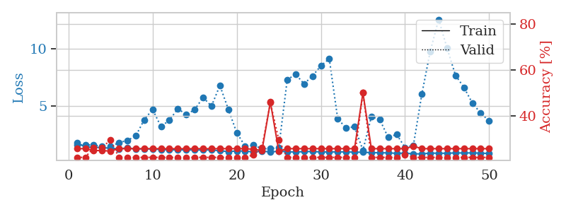
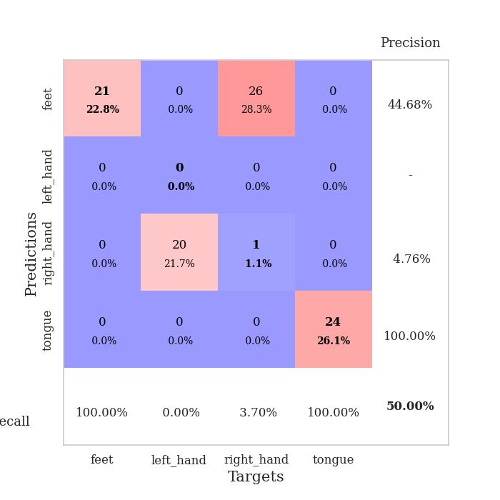
train_loss | valid_loss | train_accuracy | valid_accuracy | dur | train_misclass | valid_misclass
4.1182428754 | 8.8789764487 | 0.2472826087 | 0.26086956522 | 0.083450317383 | 24.72826087 | 26.086956522
1.8149069029 | 3.9793893876 | 0.26902173913 | 0.26086956522 | 0.081696987152 | 26.902173913 | 26.086956522
1.3026112551 | 2.7608182275 | 0.27989130435 | 0.30434782609 | 0.08166384697 | 27.989130435 | 30.434782609
1.2669552098 | 1.481400749 | 0.4972826087 | 0.35869565217 | 0.082036018372 | 49.72826087 | 35.869565217
1.1275720648 | 1.4703346543 | 0.52445652174 | 0.40217391304 | 0.082641363144 | 52.445652174 | 40.217391304
1.059924872 | 1.3807805362 | 0.5625 | 0.42391304348 | 0.082664966583 | 56.25 | 42.391304348
1.0240218277 | 1.2540736587 | 0.63586956522 | 0.53260869565 | 0.082427740097 | 63.586956522 | 53.260869565
0.9485147725 | 1.2667116497 | 0.70923913043 | 0.51086956522 | 0.0829641819 | 70.923913043 | 51.086956522
0.88022468401 | 1.2685333076 | 0.74184782609 | 0.5652173913 | 0.082863330841 | 74.184782609 | 56.52173913
0.87175254977 | 1.3971962359 | 0.76358695652 | 0.52173913043 | 0.083156347275 | 76.358695652 | 52.173913043
0.85262096446 | 1.2855988378 | 0.76902173913 | 0.47826086957 | 0.082565069199 | 76.902173913 | 47.826086957
0.81493445065 | 1.214673799 | 0.80434782609 | 0.53260869565 | 0.08288693428 | 80.434782609 | 53.260869565
0.79807018975 | 1.2559024614 | 0.83695652174 | 0.51086956522 | 0.082492113113 | 83.695652174 | 51.086956522
0.7435634499 | 1.256205906 | 0.84782608696 | 0.53260869565 | 0.082570314407 | 84.782608696 | 53.260869565
0.69251483938 | 1.3652844377 | 0.79347826087 | 0.52173913043 | 0.082129001617 | 79.347826087 | 52.173913043
0.62253766215 | 1.4310871155 | 0.74456521739 | 0.45652173913 | 0.082290887833 | 74.456521739 | 45.652173913
0.64054449874 | 1.3159464546 | 0.83967391304 | 0.53260869565 | 0.082464694977 | 83.967391304 | 53.260869565
0.62178083153 | 1.3224163729 | 0.86141304348 | 0.5652173913 | 0.082182884216 | 86.141304348 | 56.52173913
0.60878728265 | 1.3445373877 | 0.875 | 0.52173913043 | 0.082182645798 | 87.5 | 52.173913043
0.6256486009 | 1.4733465495 | 0.79076086957 | 0.54347826087 | 0.082275152206 | 79.076086957 | 54.347826087
0.55592562906 | 1.5651686503 | 0.75 | 0.51086956522 | 0.082489490509 | 75 | 51.086956522
0.54877956276 | 1.6649907568 | 0.67934782609 | 0.44565217391 | 0.082527637482 | 67.934782609 | 44.565217391
0.54411322397 | 1.4148115542 | 0.85326086957 | 0.48913043478 | 0.082489728928 | 85.326086957 | 48.913043478
0.51096936153 | 1.589265248 | 0.82608695652 | 0.5 | 0.082427978516 | 82.608695652 | 50
0.5031781689 | 1.5534014857 | 0.8097826087 | 0.53260869565 | 0.082216978073 | 80.97826087 | 53.260869565
0.4991037107 | 1.6010111156 | 0.78532608696 | 0.5 | 0.082365036011 | 78.532608696 | 50
0.49952278189 | 1.3868152266 | 0.90217391304 | 0.5 | 0.082318067551 | 90.217391304 | 50
0.44314558998 | 1.7083950457 | 0.76358695652 | 0.46739130435 | 0.082467556 | 76.358695652 | 46.739130435
0.43447799786 | 1.5312644554 | 0.88315217391 | 0.52173913043 | 0.082383155823 | 88.315217391 | 52.173913043
0.42396864003 | 1.7136269238 | 0.76358695652 | 0.51086956522 | 0.082496404648 | 76.358695652 | 51.086956522
0.43062462755 | 1.5562653593 | 0.84239130435 | 0.5 | 0.082181930542 | 84.239130435 | 50
0.40423998431 | 1.5369891654 | 0.8722826087 | 0.5 | 0.082360506058 | 87.22826087 | 50
0.40096091641 | 1.5623918927 | 0.88586956522 | 0.5 | 0.082164287567 | 88.586956522 | 50
0.36338598443 | 1.7114480941 | 0.78532608696 | 0.48913043478 | 0.082430124283 | 78.532608696 | 48.913043478
0.44028324148 | 1.5808694725 | 0.83695652174 | 0.51086956522 | 0.082408905029 | 83.695652174 | 51.086956522
0.40372599726 | 1.7155397664 | 0.80434782609 | 0.53260869565 | 0.082402467728 | 80.434782609 | 53.260869565
0.37258798273 | 1.6229450133 | 0.85326086957 | 0.51086956522 | 0.082372426987 | 85.326086957 | 51.086956522
0.40763717371 | 1.6633589786 | 0.79891304348 | 0.51086956522 | 0.082592725754 | 79.891304348 | 51.086956522
0.35318717814 | 1.7028384416 | 0.8097826087 | 0.52173913043 | 0.082580566406 | 80.97826087 | 52.173913043
0.37540552603 | 1.6964204778 | 0.83695652174 | 0.51086956522 | 0.082677125931 | 83.695652174 | 51.086956522
0.38018172429 | 1.675364769 | 0.85054347826 | 0.53260869565 | 0.082404851913 | 85.054347826 | 53.260869565
0.3213196656 | 1.6811620049 | 0.85869565217 | 0.52173913043 | 0.082569360733 | 85.869565217 | 52.173913043
0.36564799107 | 1.6865360063 | 0.85326086957 | 0.51086956522 | 0.082655668259 | 85.326086957 | 51.086956522
0.33871165015 | 1.7079458962 | 0.85326086957 | 0.51086956522 | 0.082468986511 | 85.326086957 | 51.086956522
0.32701269408 | 1.6907046515 | 0.86413043478 | 0.51086956522 | 0.082679510117 | 86.413043478 | 51.086956522
0.39390698626 | 1.6775133091 | 0.875 | 0.51086956522 | 0.082383155823 | 87.5 | 51.086956522
0.32338419427 | 1.688580031 | 0.875 | 0.51086956522 | 0.082567930222 | 87.5 | 51.086956522
0.30760356492 | 1.685418414 | 0.875 | 0.51086956522 | 0.082563638687 | 87.5 | 51.086956522
0.31688375706 | 1.6843331638 | 0.8777173913 | 0.51086956522 | 0.082380771637 | 87.77173913 | 51.086956522
0.33780318304 | 1.6829903333 | 0.8777173913 | 0.51086956522 | 0.084183216095 | 87.77173913 | 51.086956522

Best Val accuracy is 0.5652173913043478 and Best test accuracy is 0.4482758620689655
train_loss | valid_loss | train_accuracy | valid_accuracy | dur | train_misclass | valid_misclass
3.0068055029 | 9.0703782206 | 0.2472826087 | 0.26086956522 | 0.082363128662 | 24.72826087 | 26.086956522
1.572312381 | 4.5535157245 | 0.2472826087 | 0.26086956522 | 0.083766460419 | 24.72826087 | 26.086956522
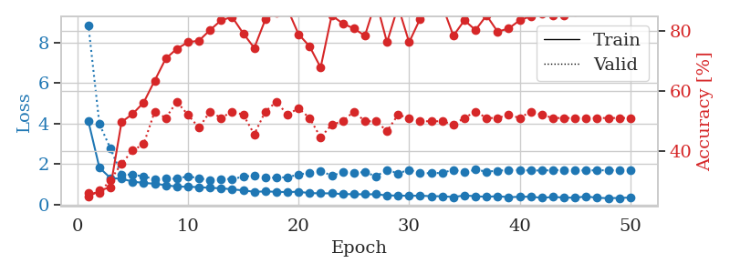
1.354205287 | 3.0021024683 | 0.34510869565 | 0.20652173913 | 0.081553459167 | 34.510869565 | 20.652173913
1.1826803658 | 2.2928977116 | 0.39402173913 | 0.28260869565 | 0.081267118454 | 39.402173913 | 28.260869565
1.1258718786 | 1.8753655527 | 0.44836956522 | 0.32608695652 | 0.081339597702 | 44.836956522 | 32.608695652
1.0702384244 | 1.472157893 | 0.54891304348 | 0.40217391304 | 0.081331253052 | 54.891304348 | 40.217391304
1.0175131844 | 1.6988644289 | 0.55434782609 | 0.32608695652 | 0.081554174423 | 55.434782609 | 32.608695652
0.96916672717 | 1.4982628926 | 0.67391304348 | 0.40217391304 | 0.081334590912 | 67.391304348 | 40.217391304
0.91877705895 | 1.4396619926 | 0.69565217391 | 0.45652173913 | 0.081879377365 | 69.565217391 | 45.652173913
0.91218176355 | 1.4008546912 | 0.75543478261 | 0.35869565217 | 0.081907749176 | 75.543478261 | 35.869565217
0.84698485292 | 1.3310237553 | 0.77989130435 | 0.41304347826 | 0.081654071808 | 77.989130435 | 41.304347826
0.78931052141 | 1.358881528 | 0.76358695652 | 0.51086956522 | 0.081896781921 | 76.358695652 | 51.086956522
0.78390019355 | 1.5010210898 | 0.75 | 0.4347826087 | 0.081820011139 | 75 | 43.47826087
0.7076519015 | 1.518272501 | 0.71467391304 | 0.48913043478 | 0.08180475235 | 71.467391304 | 48.913043478
0.744997997 | 1.5898348715 | 0.70652173913 | 0.45652173913 | 0.081671237946 | 70.652173913 | 45.652173913
0.72004357499 | 1.5456779107 | 0.75 | 0.44565217391 | 0.08167886734 | 75 | 44.565217391
0.69725493892 | 1.4589539766 | 0.7527173913 | 0.48913043478 | 0.081588745117 | 75.27173913 | 48.913043478
0.66823690223 | 1.7456111338 | 0.73097826087 | 0.4347826087 | 0.081705093384 | 73.097826087 | 43.47826087

0.64810798868 | 1.4984481905 | 0.85597826087 | 0.46739130435 | 0.081695079803 | 85.597826087 | 46.739130435
0.62367834475 | 1.6844504346 | 0.75815217391 | 0.45652173913 | 0.08161687851 | 75.815217391 | 45.652173913
0.55053204557 | 1.849033278 | 0.71739130435 | 0.40217391304 | 0.08159828186 | 71.739130435 | 40.217391304
0.58402991554 | 1.7710674742 | 0.75 | 0.39130434783 | 0.081772089005 | 75 | 39.130434783
0.55828003002 | 1.9716572088 | 0.67119565217 | 0.39130434783 | 0.081723690033 | 67.119565217 | 39.130434783
0.54004492384 | 1.9078950001 | 0.69293478261 | 0.42391304348 | 0.081636190414 | 69.293478261 | 42.391304348
0.52254985856 | 1.684829147 | 0.78260869565 | 0.42391304348 | 0.081511497498 | 78.260869565 | 42.391304348
0.47619509243 | 1.6353035077 | 0.82336956522 | 0.42391304348 | 0.084690332413 | 82.336956522 | 42.391304348
0.55259593155 | 1.6411394917 | 0.8722826087 | 0.46739130435 | 0.08262014389 | 87.22826087 | 46.739130435
0.49854047273 | 1.7413617632 | 0.8125 | 0.47826086957 | 0.081269741058 | 81.25 | 47.826086957
0.49897817749 | 1.7156400421 | 0.82336956522 | 0.46739130435 | 0.080816268921 | 82.336956522 | 46.739130435
0.42073510522 | 1.9226300405 | 0.73641304348 | 0.42391304348 | 0.080881118774 | 73.641304348 | 42.391304348
0.43488488832 | 1.6935085887 | 0.82880434783 | 0.4347826087 | 0.080953598022 | 82.880434783 | 43.47826087
0.4427079824 | 1.7000355565 | 0.83967391304 | 0.45652173913 | 0.080931663513 | 83.967391304 | 45.652173913
0.42010689106 | 1.8269008191 | 0.79891304348 | 0.45652173913 | 0.08079624176 | 79.891304348 | 45.652173913
0.39199503544 | 1.7736231296 | 0.85869565217 | 0.4347826087 | 0.080688714981 | 85.869565217 | 43.47826087
0.3911906646 | 1.7783923356 | 0.86956521739 | 0.44565217391 | 0.084176301956 | 86.956521739 | 44.565217391
0.43217123267 | 1.7467280419 | 0.88586956522 | 0.51086956522 | 0.080818414688 | 88.586956522 | 51.086956522
0.43879895366 | 1.770891231 | 0.875 | 0.45652173913 | 0.080619096756 | 87.5 | 45.652173913
0.35151464654 | 1.9039439015 | 0.8125 | 0.44565217391 | 0.080928087234 | 81.25 | 44.565217391
0.40118683615 | 1.8595924118 | 0.83423913043 | 0.47826086957 | 0.08074426651 | 83.423913043 | 47.826086957
0.41918745183 | 1.8013455712 | 0.86141304348 | 0.48913043478 | 0.080773115158 | 86.141304348 | 48.913043478
0.34034095575 | 1.7580218885 | 0.91847826087 | 0.47826086957 | 0.080813407898 | 91.847826087 | 47.826086957
0.4367144218 | 1.7613782002 | 0.91576086957 | 0.48913043478 | 0.080643415451 | 91.576086957 | 48.913043478
0.36041678391 | 1.7624177207 | 0.92119565217 | 0.48913043478 | 0.080658912659 | 92.119565217 | 48.913043478
0.4100239711 | 1.7689851833 | 0.92663043478 | 0.48913043478 | 0.080754756927 | 92.663043478 | 48.913043478
0.35194593409 | 1.7389114266 | 0.9402173913 | 0.47826086957 | 0.080705165863 | 94.02173913 | 47.826086957
0.39443207565 | 1.7302009748 | 0.94293478261 | 0.47826086957 | 0.080791711807 | 94.293478261 | 47.826086957
0.38147910263 | 1.7184646078 | 0.94836956522 | 0.47826086957 | 0.080615997314 | 94.836956522 | 47.826086957
0.32767961012 | 1.7200970805 | 0.94836956522 | 0.47826086957 | 0.080557346344 | 94.836956522 | 47.826086957
0.40033315576 | 1.7218411954 | 0.94836956522 | 0.47826086957 | 0.081213235855 | 94.836956522 | 47.826086957
0.39416916021 | 1.7218998049 | 0.94836956522 | 0.47826086957 | 0.080814123154 | 94.836956522 | 47.826086957

Best Val accuracy is 0.5108695652173914 and Best test accuracy is 0.4051724137931034
train_loss | valid_loss | train_accuracy | valid_accuracy | dur | train_misclass | valid_misclass
1.7231572763 | 1.5502592222 | 0.25543478261 | 0.21739130435 | 0.20391488075 | 25.543478261 | 21.739130435
1.350152109 | 1.5369354072 | 0.25543478261 | 0.21739130435 | 0.20857691765 | 25.543478261 | 21.739130435

1.3391794744 | 1.5347951029 | 0.2472826087 | 0.26086956522 | 0.21093463898 | 24.72826087 | 26.086956522
1.3006273975 | 1.4000735335 | 0.2472826087 | 0.26086956522 | 0.19411802292 | 24.72826087 | 26.086956522
1.2497248313 | 1.3991297069 | 0.24456521739 | 0.29347826087 | 0.20525574684 | 24.456521739 | 29.347826087
1.1879919741 | 1.7398572383 | 0.25543478261 | 0.21739130435 | 0.21168875694 | 25.543478261 | 21.739130435
1.2838249777 | 1.9324831755 | 0.25543478261 | 0.21739130435 | 0.20836997032 | 25.543478261 | 21.739130435
1.162977299 | 2.3230104861 | 0.25543478261 | 0.21739130435 | 0.21115517616 | 25.543478261 | 21.739130435
1.1969063178 | 3.7529655747 | 0.25543478261 | 0.21739130435 | 0.20854258537 | 25.543478261 | 21.739130435
1.1674389165 | 4.6686409867 | 0.25543478261 | 0.21739130435 | 0.20958209038 | 25.543478261 | 21.739130435
1.1377402829 | 3.1530153751 | 0.25543478261 | 0.21739130435 | 0.2107937336 | 25.543478261 | 21.739130435
1.1071924593 | 3.724276128 | 0.25543478261 | 0.21739130435 | 0.21117186546 | 25.543478261 | 21.739130435
1.0977945691 | 4.7246620137 | 0.25543478261 | 0.21739130435 | 0.20950961113 | 25.543478261 | 21.739130435
1.1054237666 | 4.2242540899 | 0.25543478261 | 0.21739130435 | 0.20957756042 | 25.543478261 | 21.739130435
1.088357915 | 4.6419202763 | 0.25543478261 | 0.21739130435 | 0.21018624306 | 25.543478261 | 21.739130435
1.0932200266 | 5.7275457797 | 0.25543478261 | 0.21739130435 | 0.21011757851 | 25.543478261 | 21.739130435
1.0994562455 | 4.9594525254 | 0.25543478261 | 0.21739130435 | 0.21223545074 | 25.543478261 | 21.739130435
1.0221812181 | 6.7806258824 | 0.25543478261 | 0.21739130435 | 0.21210885048 | 25.543478261 | 21.739130435

0.94718214481 | 4.6766796734 | 0.25543478261 | 0.21739130435 | 0.21079683304 | 25.543478261 | 21.739130435
1.0113168929 | 2.6189114425 | 0.25543478261 | 0.21739130435 | 0.21051502228 | 25.543478261 | 21.739130435
1.0000093139 | 1.4184179565 | 0.25543478261 | 0.21739130435 | 0.20976209641 | 25.543478261 | 21.739130435
0.9136272617 | 1.5245796857 | 0.2527173913 | 0.22826086957 | 0.20956897736 | 25.27173913 | 22.826086957
1.0003868238 | 1.2025346497 | 0.2472826087 | 0.26086956522 | 0.21085906029 | 24.72826087 | 26.086956522
0.9121660642 | 1.2039871786 | 0.45923913043 | 0.45652173913 | 0.21014213562 | 45.923913043 | 45.652173913
0.98891582437 | 1.30517787 | 0.24456521739 | 0.29347826087 | 0.21182322502 | 24.456521739 | 29.347826087
0.94219292247 | 7.2800222065 | 0.25543478261 | 0.21739130435 | 0.20880484581 | 25.543478261 | 21.739130435
0.9006027683 | 7.7738546289 | 0.25543478261 | 0.21739130435 | 0.2104036808 | 25.543478261 | 21.739130435
0.95190713717 | 6.9214697713 | 0.25543478261 | 0.21739130435 | 0.20912599564 | 25.543478261 | 21.739130435
0.9560675932 | 7.6128713774 | 0.25543478261 | 0.21739130435 | 0.20927190781 | 25.543478261 | 21.739130435
0.91848385852 | 8.5090587865 | 0.25543478261 | 0.21739130435 | 0.21368384361 | 25.543478261 | 21.739130435
0.91854326362 | 9.1364132425 | 0.25543478261 | 0.21739130435 | 0.21054005623 | 25.543478261 | 21.739130435
0.92498262291 | 3.8482929727 | 0.25543478261 | 0.21739130435 | 0.21127510071 | 25.543478261 | 21.739130435
0.92110456073 | 3.0274336027 | 0.25543478261 | 0.21739130435 | 0.20659279823 | 25.543478261 | 21.739130435
0.89871953881 | 3.1408870013 | 0.25543478261 | 0.21739130435 | 0.2105679512 | 25.543478261 | 21.739130435
0.8952045648 | 1.0668104783 | 0.5 | 0.5 | 0.21213030815 | 50 | 50
0.8528495405 | 4.0249909318 | 0.25543478261 | 0.21739130435 | 0.21043324471 | 25.543478261 | 21.739130435
0.85233502284 | 3.7764030954 | 0.25543478261 | 0.21739130435 | 0.210283041 | 25.543478261 | 21.739130435
0.83512877381 | 2.1972407154 | 0.25543478261 | 0.21739130435 | 0.20912766457 | 25.543478261 | 21.739130435
0.80217693681 | 2.4677132731 | 0.25543478261 | 0.21739130435 | 0.20606350899 | 25.543478261 | 21.739130435
0.81054133177 | 1.3188532591 | 0.25543478261 | 0.22826086957 | 0.21144556999 | 25.543478261 | 22.826086957
0.75546901641 | 1.5086645614 | 0.26630434783 | 0.21739130435 | 0.20969843864 | 26.630434783 | 21.739130435
0.74929240994 | 6.0094300146 | 0.25543478261 | 0.21739130435 | 0.20929646492 | 25.543478261 | 21.739130435
0.81975189758 | 9.7943662975 | 0.25543478261 | 0.21739130435 | 0.2095386982 | 25.543478261 | 21.739130435
0.80737123541 | 12.60071713 | 0.25543478261 | 0.21739130435 | 0.20995736122 | 25.543478261 | 21.739130435
0.80471198844 | 10.066323944 | 0.25543478261 | 0.21739130435 | 0.21003913879 | 25.543478261 | 21.739130435
0.83552848256 | 7.6775809164 | 0.25543478261 | 0.21739130435 | 0.21308684349 | 25.543478261 | 21.739130435
0.82875916232 | 6.617225336 | 0.25543478261 | 0.21739130435 | 0.20961117744 | 25.543478261 | 21.739130435
0.83639385648 | 5.2335564987 | 0.25543478261 | 0.21739130435 | 0.21040654182 | 25.543478261 | 21.739130435
0.81588828045 | 4.3409648771 | 0.25543478261 | 0.21739130435 | 0.21132707596 | 25.543478261 | 21.739130435
0.78624923333 | 3.6564321311 | 0.25543478261 | 0.21739130435 | 0.2122964859 | 25.543478261 | 21.739130435

Best Val accuracy is 0.5 and Best test accuracy is 0.5086206896551724

Sheet9


train_loss | valid_loss | train_accuracy | valid_accuracy | dur | train_misclass | valid_misclass
3.7677688391 | 11.68176962 | 0.2472826087 | 0.27173913043 | 0.082602500916 | 24.72826087 | 27.173913043
1.651589886 | 3.258990236 | 0.34510869565 | 0.29347826087 | 0.081605434418 | 34.510869565 | 29.347826087
1.3654989056 | 2.9490389409 | 0.29347826087 | 0.28260869565 | 0.081517219543 | 29.347826087 | 28.260869565
1.2595768623 | 2.0988137567 | 0.34510869565 | 0.3152173913 | 0.081554174423 | 34.510869565 | 31.52173913
1.1591687928 | 1.4185596083 | 0.55706521739 | 0.38043478261 | 0.081615447998 | 55.706521739 | 38.043478261
1.0995534218 | 1.3415003341 | 0.5625 | 0.39130434783 | 0.081615447998 | 56.25 | 39.130434783
1.0068275566 | 1.2852716135 | 0.71739130435 | 0.38043478261 | 0.08194565773 | 71.739130435 | 38.043478261
0.86469847741 | 1.4338647801 | 0.70380434783 | 0.41304347826 | 0.081829071045 | 70.380434783 | 41.304347826
0.91752216868 | 1.3619693414 | 0.69565217391 | 0.40217391304 | 0.081778287888 | 69.565217391 | 40.217391304
0.85164757397 | 1.5477522145 | 0.70652173913 | 0.42391304348 | 0.081769943237 | 70.652173913 | 42.391304348
0.79495943888 | 1.388857007 | 0.76630434783 | 0.4347826087 | 0.081795930862 | 76.630434783 | 43.47826087
0.7721523487 | 1.3351160443 | 0.7472826087 | 0.44565217391 | 0.081770658493 | 74.72826087 | 44.565217391
0.66661927234 | 1.7277504465 | 0.64945652174 | 0.36956521739 | 0.082648038864 | 64.945652174 | 36.956521739
0.67671971865 | 1.4137008864 | 0.71195652174 | 0.36956521739 | 0.082751750946 | 71.195652174 | 36.956521739
0.60188861645 | 1.7049524421 | 0.66847826087 | 0.40217391304 | 0.083180189133 | 66.847826087 | 40.217391304
0.6066452809 | 1.3802866884 | 0.76902173913 | 0.44565217391 | 0.081731319427 | 76.902173913 | 44.565217391
0.597280433 | 1.4316837321 | 0.75815217391 | 0.42391304348 | 0.087488412857 | 75.815217391 | 42.391304348
0.59638195323 | 1.5377812489 | 0.73097826087 | 0.46739130435 | 0.087311983109 | 73.097826087 | 46.739130435
0.50912134414 | 1.3924667006 | 0.83967391304 | 0.44565217391 | 0.082355976105 | 83.967391304 | 44.565217391
0.52123210223 | 1.6540983501 | 0.77173913043 | 0.46739130435 | 0.082382678986 | 77.173913043 | 46.739130435
0.41899787408 | 1.5718954283 | 0.78532608696 | 0.48913043478 | 0.082013368607 | 78.532608696 | 48.913043478
0.39566274894 | 1.425973462 | 0.81793478261 | 0.48913043478 | 0.082326173782 | 81.793478261 | 48.913043478
0.39912555853 | 1.5310450689 | 0.80434782609 | 0.46739130435 | 0.082178592682 | 80.434782609 | 46.739130435
0.46817509182 | 1.5896424262 | 0.76630434783 | 0.45652173913 | 0.082265853882 | 76.630434783 | 45.652173913
0.36421565485 | 1.6315078476 | 0.76086956522 | 0.48913043478 | 0.082421541214 | 76.086956522 | 48.913043478
0.44261140895 | 1.6108247456 | 0.77173913043 | 0.48913043478 | 0.081962585449 | 77.173913043 | 48.913043478
0.35868975099 | 1.7879000384 | 0.77989130435 | 0.46739130435 | 0.082262516022 | 77.989130435 | 46.739130435
0.3672978418 | 1.7447309442 | 0.76630434783 | 0.45652173913 | 0.081966638565 | 76.630434783 | 45.652173913
0.38419383602 | 1.7164767877 | 0.80706521739 | 0.51086956522 | 0.082091093063 | 80.706521739 | 51.086956522
0.30663826705 | 1.6337927321 | 0.82065217391 | 0.47826086957 | 0.082180500031 | 82.065217391 | 47.826086957
0.32274888488 | 1.6940927868 | 0.80163043478 | 0.48913043478 | 0.082240581512 | 80.163043478 | 48.913043478
0.25892876234 | 1.7255974593 | 0.82608695652 | 0.5 | 0.082171678543 | 82.608695652 | 50
0.29254283141 | 1.7508564773 | 0.79891304348 | 0.52173913043 | 0.082385540009 | 79.891304348 | 52.173913043
0.27495370093 | 1.5877381097 | 0.85869565217 | 0.52173913043 | 0.08234500885 | 85.869565217 | 52.173913043
0.30763712752 | 1.6402506569 | 0.83967391304 | 0.54347826087 | 0.082109689713 | 83.967391304 | 54.347826087
0.29294335907 | 1.6011515182 | 0.84510869565 | 0.54347826087 | 0.082319259644 | 84.510869565 | 54.347826087
0.29975304429 | 1.6269294645 | 0.83152173913 | 0.53260869565 | 0.082043886185 | 83.152173913 | 53.260869565
0.2590414331 | 1.6151645339 | 0.84510869565 | 0.5 | 0.081842422485 | 84.510869565 | 50
0.25398050249 | 1.6641458791 | 0.84782608696 | 0.51086956522 | 0.081579685211 | 84.782608696 | 51.086956522
0.22942582534 | 1.7208418483 | 0.85326086957 | 0.52173913043 | 0.081682920456 | 85.326086957 | 52.173913043
0.24571982577 | 1.6507354612 | 0.86684782609 | 0.52173913043 | 0.082054853439 | 86.684782609 | 52.173913043
0.23956555517 | 1.6892102542 | 0.86413043478 | 0.52173913043 | 0.082196474075 | 86.413043478 | 52.173913043
0.23512700556 | 1.6446889691 | 0.86684782609 | 0.52173913043 | 0.082127094269 | 86.684782609 | 52.173913043
0.24460780313 | 1.6414956217 | 0.86141304348 | 0.51086956522 | 0.082314491272 | 86.141304348 | 51.086956522
0.26060611722 | 1.6344925269 | 0.86141304348 | 0.51086956522 | 0.084138154984 | 86.141304348 | 51.086956522
0.25173374427 | 1.6266255327 | 0.86684782609 | 0.53260869565 | 0.084855556488 | 86.684782609 | 53.260869565
0.21552152673 | 1.6266912637 | 0.86956521739 | 0.53260869565 | 0.082408666611 | 86.956521739 | 53.260869565
0.23037864819 | 1.6234307237 | 0.88043478261 | 0.53260869565 | 0.082091093063 | 88.043478261 | 53.260869565
0.27668155697 | 1.6180813157 | 0.88858695652 | 0.53260869565 | 0.082351446152 | 88.858695652 | 53.260869565
0.23025786553 | 1.6146599624 | 0.88858695652 | 0.53260869565 | 0.082424402237 | 88.858695652 | 53.260869565

Best Val accuracy is 0.5434782608695652 and Best test accuracy is 0.4224137931034483
train_loss | valid_loss | train_accuracy | valid_accuracy | dur | train_misclass | valid_misclass
3.7983643128 | 5.8100619938 | 0.25815217391 | 0.27173913043 | 0.082419395447 | 25.815217391 | 27.173913043
1.7924401916 | 3.6108257978 | 0.26358695652 | 0.26086956522 | 0.080519914627 | 26.358695652 | 26.086956522

1.2295873606 | 2.8162474632 | 0.29076086957 | 0.26086956522 | 0.080295085907 | 29.076086957 | 26.086956522
1.2402722058 | 2.3951333709 | 0.375 | 0.27173913043 | 0.080296039581 | 37.5 | 27.173913043
1.1165288039 | 1.8461019215 | 0.49184782609 | 0.29347826087 | 0.080416202545 | 49.184782609 | 29.347826087
1.0599153638 | 1.7014646686 | 0.52445652174 | 0.33695652174 | 0.080414533615 | 52.445652174 | 33.695652174
0.99433420534 | 1.4478067626 | 0.6277173913 | 0.38043478261 | 0.08028793335 | 62.77173913 | 38.043478261
0.96636942936 | 1.3824419301 | 0.69836956522 | 0.39130434783 | 0.080544233322 | 69.836956522 | 39.130434783
0.89571552432 | 1.3040534491 | 0.69836956522 | 0.46739130435 | 0.080758333206 | 69.836956522 | 46.739130435
0.89948089615 | 1.266353164 | 0.74184782609 | 0.48913043478 | 0.080454826355 | 74.184782609 | 48.913043478
0.84298702686 | 1.2966684362 | 0.77989130435 | 0.54347826087 | 0.080531835556 | 77.989130435 | 54.347826087
0.86418401936 | 1.1890616702 | 0.79891304348 | 0.5 | 0.080680608749 | 79.891304348 | 50
0.74508771689 | 1.3515652159 | 0.82065217391 | 0.46739130435 | 0.080302238464 | 82.065217391 | 46.739130435
0.74259520873 | 1.4038363747 | 0.77717391304 | 0.48913043478 | 0.080278873444 | 77.717391304 | 48.913043478
0.71794115201 | 1.3486509297 | 0.84782608696 | 0.45652173913 | 0.080688714981 | 84.782608696 | 45.652173913
0.7130197766 | 1.2763016924 | 0.84510869565 | 0.46739130435 | 0.080833435059 | 84.510869565 | 46.739130435
0.65265994357 | 1.3734224983 | 0.88043478261 | 0.46739130435 | 0.082607746124 | 88.043478261 | 46.739130435
0.60057465538 | 1.3775381005 | 0.84782608696 | 0.47826086957 | 0.081208467484 | 84.782608696 | 47.826086957

0.6203106564 | 1.5267998084 | 0.85597826087 | 0.45652173913 | 0.081067562103 | 85.597826087 | 45.652173913
0.64929798116 | 1.4983243502 | 0.89673913043 | 0.47826086957 | 0.080713033676 | 89.673913043 | 47.826086957
0.56916407528 | 1.4344623607 | 0.90760869565 | 0.45652173913 | 0.080962181091 | 90.760869565 | 45.652173913
0.53783782215 | 1.4380278432 | 0.82336956522 | 0.5 | 0.08083820343 | 82.336956522 | 50
0.48256746453 | 1.4340644064 | 0.89673913043 | 0.47826086957 | 0.080715894699 | 89.673913043 | 47.826086957
0.48865207641 | 1.439055987 | 0.88315217391 | 0.46739130435 | 0.080877542496 | 88.315217391 | 46.739130435
0.49845949463 | 1.5034397115 | 0.89673913043 | 0.47826086957 | 0.085063934326 | 89.673913043 | 47.826086957
0.42255927946 | 1.5140053759 | 0.83695652174 | 0.45652173913 | 0.081062316895 | 83.695652174 | 45.652173913
0.46533051263 | 1.7226122307 | 0.78532608696 | 0.5 | 0.081012487411 | 78.532608696 | 50
0.39393128131 | 1.4433348749 | 0.90217391304 | 0.47826086957 | 0.080653190613 | 90.217391304 | 47.826086957
0.47464164768 | 1.5894250092 | 0.85326086957 | 0.52173913043 | 0.080723285675 | 85.326086957 | 52.173913043
0.42655633584 | 1.5445860521 | 0.89945652174 | 0.48913043478 | 0.084859371185 | 89.945652174 | 48.913043478
0.36722918956 | 1.4920193734 | 0.92934782609 | 0.53260869565 | 0.080855369568 | 92.934782609 | 53.260869565
0.41109133641 | 1.4714002817 | 0.91847826087 | 0.51086956522 | 0.081016302109 | 91.847826087 | 51.086956522
0.37880974781 | 1.547125666 | 0.90760869565 | 0.48913043478 | 0.080693721771 | 90.760869565 | 48.913043478
0.39802403456 | 1.540442332 | 0.8722826087 | 0.47826086957 | 0.082724809647 | 87.22826087 | 47.826086957
0.39178557824 | 1.4615947526 | 0.93206521739 | 0.48913043478 | 0.080721855164 | 93.206521739 | 48.913043478
0.36669882484 | 1.4936869144 | 0.92663043478 | 0.5 | 0.080629587173 | 92.663043478 | 50
0.33601555747 | 1.5252168438 | 0.9347826087 | 0.48913043478 | 0.08083486557 | 93.47826087 | 48.913043478
0.36150786086 | 1.4712596354 | 0.95923913043 | 0.5 | 0.080586433411 | 95.923913043 | 50
0.2891122634 | 1.5241778104 | 0.9375 | 0.5 | 0.080762863159 | 93.75 | 50
0.32183703521 | 1.5281924735 | 0.92663043478 | 0.52173913043 | 0.080658912659 | 92.663043478 | 52.173913043
0.31731688069 | 1.4799866625 | 0.95380434783 | 0.51086956522 | 0.080923557281 | 95.380434783 | 51.086956522
0.3217919119 | 1.5047792922 | 0.9402173913 | 0.5 | 0.080741643906 | 94.02173913 | 50
0.32497491461 | 1.5176327229 | 0.9402173913 | 0.5 | 0.080650091171 | 94.02173913 | 50
0.29608773149 | 1.5118841296 | 0.9375 | 0.5 | 0.080933094025 | 93.75 | 50
0.30861873698 | 1.4964706742 | 0.94565217391 | 0.5 | 0.080794811249 | 94.565217391 | 50
0.2965053592 | 1.4970350836 | 0.94836956522 | 0.5 | 0.080613136292 | 94.836956522 | 50
0.31843480986 | 1.4925738055 | 0.95380434783 | 0.51086956522 | 0.080904006958 | 95.380434783 | 51.086956522
0.32663994801 | 1.4886145073 | 0.95652173913 | 0.52173913043 | 0.080955266953 | 95.652173913 | 52.173913043
0.35973701496 | 1.4875055448 | 0.95652173913 | 0.52173913043 | 0.080939531326 | 95.652173913 | 52.173913043
0.31578536299 | 1.4866595424 | 0.95923913043 | 0.52173913043 | 0.080739736557 | 95.923913043 | 52.173913043

Best Val accuracy is 0.5434782608695652 and Best test accuracy is 0.41379310344827586
train_loss | valid_loss | train_accuracy | valid_accuracy | dur | train_misclass | valid_misclass
1.7196285725 | 1.4600794004 | 0.25543478261 | 0.21739130435 | 0.20859646797 | 25.543478261 | 21.739130435
1.2243059822 | 1.4670576427 | 0.25543478261 | 0.21739130435 | 0.21410369873 | 25.543478261 | 21.739130435

1.1654847523 | 1.5615937243 | 0.25543478261 | 0.21739130435 | 0.20857357979 | 25.543478261 | 21.739130435
1.2397064463 | 1.4717135896 | 0.25543478261 | 0.21739130435 | 0.20963215828 | 25.543478261 | 21.739130435
1.1085976207 | 1.8552337833 | 0.25543478261 | 0.21739130435 | 0.21075034142 | 25.543478261 | 21.739130435
1.1531152777 | 1.996901253 | 0.25543478261 | 0.21739130435 | 0.20994782448 | 25.543478261 | 21.739130435
1.2016593632 | 1.6139017033 | 0.25543478261 | 0.21739130435 | 0.21141290665 | 25.543478261 | 21.739130435
1.1426817853 | 1.9972696823 | 0.25543478261 | 0.21739130435 | 0.21073174477 | 25.543478261 | 21.739130435
1.146250476 | 2.9853207236 | 0.25543478261 | 0.21739130435 | 0.20882892609 | 25.543478261 | 21.739130435
1.1486840404 | 2.7494268521 | 0.25543478261 | 0.21739130435 | 0.21198344231 | 25.543478261 | 21.739130435
1.1312131934 | 2.3572342396 | 0.25543478261 | 0.21739130435 | 0.2113442421 | 25.543478261 | 21.739130435
1.0869633737 | 2.8144321856 | 0.25543478261 | 0.21739130435 | 0.20986104012 | 25.543478261 | 21.739130435
1.163270997 | 1.8327580328 | 0.25543478261 | 0.21739130435 | 0.21062779427 | 25.543478261 | 21.739130435
1.0715844165 | 1.7897943258 | 0.25543478261 | 0.21739130435 | 0.20565414429 | 25.543478261 | 21.739130435
1.1253054453 | 2.4254736382 | 0.25543478261 | 0.21739130435 | 0.20880579948 | 25.543478261 | 21.739130435
1.0860419584 | 1.7234613429 | 0.25543478261 | 0.21739130435 | 0.21402549744 | 25.543478261 | 21.739130435
1.1011457106 | 2.2883838985 | 0.2472826087 | 0.26086956522 | 0.20932245255 | 24.72826087 | 26.086956522
1.0358018512 | 2.4539909259 | 0.25543478261 | 0.21739130435 | 0.21130132675 | 25.543478261 | 21.739130435

1.047583168 | 1.9726936403 | 0.25543478261 | 0.21739130435 | 0.2095348835 | 25.543478261 | 21.739130435
1.0475576157 | 1.4656652316 | 0.50815217391 | 0.44565217391 | 0.20952701569 | 50.815217391 | 44.565217391
1.0435447797 | 1.9287826497 | 0.2472826087 | 0.26086956522 | 0.20794010162 | 24.72826087 | 26.086956522
1.0718497064 | 1.7218983951 | 0.2472826087 | 0.26086956522 | 0.21118783951 | 24.72826087 | 26.086956522
1.0320314013 | 1.4728325916 | 0.25543478261 | 0.21739130435 | 0.21130156517 | 25.543478261 | 21.739130435
1.0563238315 | 3.2681998274 | 0.25543478261 | 0.21739130435 | 0.20887160301 | 25.543478261 | 21.739130435
0.94287590877 | 4.0475524197 | 0.25543478261 | 0.21739130435 | 0.20960426331 | 25.543478261 | 21.739130435
0.97410972999 | 1.837727526 | 0.25543478261 | 0.21739130435 | 0.21092128754 | 25.543478261 | 21.739130435
1.0081790219 | 2.2170931671 | 0.25543478261 | 0.21739130435 | 0.21064543724 | 25.543478261 | 21.739130435
0.9915764876 | 1.9413071871 | 0.2472826087 | 0.26086956522 | 0.21195626259 | 24.72826087 | 26.086956522
1.0014118449 | 1.1988736287 | 0.5027173913 | 0.47826086957 | 0.20977807045 | 50.27173913 | 47.826086957
1.0190579943 | 3.7356336635 | 0.25543478261 | 0.21739130435 | 0.2099378109 | 25.543478261 | 21.739130435
0.94291703338 | 5.6874507614 | 0.25543478261 | 0.21739130435 | 0.21050262451 | 25.543478261 | 21.739130435
0.92932567648 | 2.5710615179 | 0.25543478261 | 0.21739130435 | 0.21020770073 | 25.543478261 | 21.739130435
1.0030037631 | 3.4865868506 | 0.25543478261 | 0.21739130435 | 0.21189188957 | 25.543478261 | 21.739130435
0.94758072884 | 3.994423037 | 0.25543478261 | 0.21739130435 | 0.20986247063 | 25.543478261 | 21.739130435
0.92448382015 | 4.1727774247 | 0.25543478261 | 0.21739130435 | 0.20981621742 | 25.543478261 | 21.739130435
0.92631103422 | 2.8229608536 | 0.25543478261 | 0.21739130435 | 0.21136260033 | 25.543478261 | 21.739130435
0.98776129277 | 2.9595499557 | 0.25543478261 | 0.21739130435 | 0.20918488503 | 25.543478261 | 21.739130435
0.93734238459 | 0.95004618686 | 0.7472826087 | 0.77173913043 | 0.21153974533 | 74.72826087 | 77.173913043
0.89882705004 | 0.97117705449 | 0.5 | 0.51086956522 | 0.2089111805 | 50 | 51.086956522
0.97121888917 | 1.1413313928 | 0.2472826087 | 0.26086956522 | 0.21216487885 | 24.72826087 | 26.086956522
0.91074680245 | 1.1272550199 | 0.2472826087 | 0.26086956522 | 0.20977663994 | 24.72826087 | 26.086956522
0.97558864303 | 0.91342462664 | 1 | 1 | 0.20916748047 | 100 | 100
0.92185358638 | 1.0111153851 | 0.5027173913 | 0.47826086957 | 0.21178293228 | 50.27173913 | 47.826086957
0.93912131372 | 0.99813468042 | 0.5027173913 | 0.47826086957 | 0.20988678932 | 50.27173913 | 47.826086957
0.88196327375 | 0.91984283406 | 1 | 1 | 0.21094870567 | 100 | 100
0.93589703415 | 0.97001332822 | 0.25543478261 | 0.21739130435 | 0.21025419235 | 25.543478261 | 21.739130435
0.90760786896 | 0.96701963052 | 0.25543478261 | 0.21739130435 | 0.21089482307 | 25.543478261 | 21.739130435
0.90427538623 | 0.97794923057 | 0.25543478261 | 0.21739130435 | 0.21250343323 | 25.543478261 | 21.739130435
0.86397502215 | 0.99081318793 | 0.25543478261 | 0.21739130435 | 0.21231341362 | 25.543478261 | 21.739130435
0.94309913853 | 1.0060697587 | 0.25543478261 | 0.21739130435 | 0.21135020256 | 25.543478261 | 21.739130435

Best Val accuracy is 1.0 and Best test accuracy is 1.0

Sheet10


train_loss | valid_loss | train_accuracy | valid_accuracy | dur | train_misclass | valid_misclass
3.3629424883 | 2.2577633339 | 0.25543478261 | 0.21739130435 | 0.083759069443 | 25.543478261 | 21.739130435
1.6578234123 | 2.1118087043 | 0.27445652174 | 0.23913043478 | 0.082285404205 | 27.445652174 | 23.913043478
1.3627972603 | 2.166706448 | 0.36141304348 | 0.25 | 0.081862688065 | 36.141304348 | 25
1.1652029286 | 1.9705551604 | 0.39402173913 | 0.3152173913 | 0.082012653351 | 39.402173913 | 31.52173913
1.1283263124 | 1.4315730644 | 0.52445652174 | 0.36956521739 | 0.081928014755 | 52.445652174 | 36.956521739
1.0652980545 | 1.4549768593 | 0.54347826087 | 0.42391304348 | 0.08198094368 | 54.347826087 | 42.391304348
1.0810077553 | 1.3577305156 | 0.65489130435 | 0.44565217391 | 0.082700967789 | 65.489130435 | 44.565217391
0.94826218356 | 1.4171986606 | 0.65760869565 | 0.44565217391 | 0.082556962967 | 65.760869565 | 44.565217391
0.90566487934 | 1.4066796018 | 0.72010869565 | 0.46739130435 | 0.082052230835 | 72.010869565 | 46.739130435
0.91411257568 | 1.3949159643 | 0.75815217391 | 0.46739130435 | 0.081985473633 | 75.815217391 | 46.739130435
0.81421726553 | 1.4094505543 | 0.77445652174 | 0.5 | 0.082278966904 | 77.445652174 | 50
0.80341830202 | 1.3760231396 | 0.80706521739 | 0.44565217391 | 0.082188844681 | 80.706521739 | 44.565217391
0.76542916376 | 1.3813449455 | 0.79619565217 | 0.44565217391 | 0.082458734512 | 79.619565217 | 44.565217391
0.80254381636 | 1.4968774319 | 0.77717391304 | 0.41304347826 | 0.081937789917 | 77.717391304 | 41.304347826
0.71755487634 | 1.4638093088 | 0.79347826087 | 0.45652173913 | 0.084253787994 | 79.347826087 | 45.652173913
0.71855178605 | 1.4834034909 | 0.79619565217 | 0.42391304348 | 0.082062005997 | 79.619565217 | 42.391304348
0.64595653959 | 1.415297941 | 0.8125 | 0.44565217391 | 0.082439184189 | 81.25 | 44.565217391
0.66889239912 | 1.4984782001 | 0.76902173913 | 0.47826086957 | 0.082112073898 | 76.902173913 | 47.826086957
0.62264302503 | 1.5065674471 | 0.86956521739 | 0.44565217391 | 0.082093477249 | 86.956521739 | 44.565217391
0.63360558126 | 1.3791748233 | 0.88315217391 | 0.47826086957 | 0.082374811172 | 88.315217391 | 47.826086957
0.5955653385 | 1.4416804676 | 0.83423913043 | 0.45652173913 | 0.082253694534 | 83.423913043 | 45.652173913
0.5112934903 | 1.4352152866 | 0.83967391304 | 0.46739130435 | 0.082293748856 | 83.967391304 | 46.739130435
0.54345963183 | 1.4925608531 | 0.84782608696 | 0.4347826087 | 0.082087993622 | 84.782608696 | 43.47826087
0.55768190583 | 1.4440422576 | 0.92391304348 | 0.48913043478 | 0.082137584686 | 92.391304348 | 48.913043478
0.51295057522 | 1.3720103347 | 0.9347826087 | 0.47826086957 | 0.082126379013 | 93.47826087 | 47.826086957
0.48135479572 | 1.4219538595 | 0.86413043478 | 0.46739130435 | 0.082020998001 | 86.413043478 | 46.739130435
0.41956101617 | 1.2741001274 | 0.9375 | 0.5 | 0.082473993301 | 93.75 | 50
0.45835437852 | 1.4627101888 | 0.86956521739 | 0.41304347826 | 0.082216024399 | 86.956521739 | 41.304347826
0.44242532357 | 1.4123954203 | 0.93206521739 | 0.46739130435 | 0.082246303558 | 93.206521739 | 46.739130435
0.41721489442 | 1.4837582371 | 0.89402173913 | 0.47826086957 | 0.082293987274 | 89.402173913 | 47.826086957
0.38726144122 | 1.4080262443 | 0.95380434783 | 0.48913043478 | 0.082423448563 | 95.380434783 | 48.913043478
0.35075601417 | 1.4110620696 | 0.95652173913 | 0.48913043478 | 0.082016944885 | 95.652173913 | 48.913043478
0.43333959256 | 1.3987379437 | 0.94836956522 | 0.52173913043 | 0.082359075546 | 94.836956522 | 52.173913043
0.37173275488 | 1.3591855246 | 0.93206521739 | 0.54347826087 | 0.082360982895 | 93.206521739 | 54.347826087
0.38895817749 | 1.394498426 | 0.92391304348 | 0.51086956522 | 0.082849502563 | 92.391304348 | 51.086956522
0.34041405178 | 1.4108473063 | 0.95108695652 | 0.53260869565 | 0.08202791214 | 95.108695652 | 53.260869565
0.39126941626 | 1.4411770209 | 0.94836956522 | 0.54347826087 | 0.082143783569 | 94.836956522 | 54.347826087
0.33965958039 | 1.3818918622 | 0.96195652174 | 0.52173913043 | 0.082075834274 | 96.195652174 | 52.173913043
0.32815277836 | 1.3756849921 | 0.95652173913 | 0.52173913043 | 0.085230588913 | 95.652173913 | 52.173913043
0.3305161929 | 1.3680893286 | 0.96739130435 | 0.52173913043 | 0.082566261292 | 96.739130435 | 52.173913043
0.32291457187 | 1.3966683979 | 0.96467391304 | 0.52173913043 | 0.082109928131 | 96.467391304 | 52.173913043
0.29301332747 | 1.4075333191 | 0.96739130435 | 0.53260869565 | 0.081825017929 | 96.739130435 | 53.260869565
0.38803435279 | 1.3776225214 | 0.97554347826 | 0.53260869565 | 0.082332611084 | 97.554347826 | 53.260869565
0.28338109378 | 1.3723304842 | 0.97826086957 | 0.52173913043 | 0.085916042328 | 97.826086957 | 52.173913043
0.31612046711 | 1.3710133096 | 0.97826086957 | 0.53260869565 | 0.082112073898 | 97.826086957 | 53.260869565
0.3360736992 | 1.3900505719 | 0.97554347826 | 0.53260869565 | 0.082216501236 | 97.554347826 | 53.260869565
0.26467474194 | 1.3962803042 | 0.97554347826 | 0.53260869565 | 0.08225274086 | 97.554347826 | 53.260869565
0.34032081586 | 1.3982533113 | 0.97554347826 | 0.53260869565 | 0.081927537918 | 97.554347826 | 53.260869565
0.36197920889 | 1.3981653245 | 0.97554347826 | 0.53260869565 | 0.082316875458 | 97.554347826 | 53.260869565
0.32850804569 | 1.3974600823 | 0.97554347826 | 0.53260869565 | 0.082192182541 | 97.554347826 | 53.260869565

Best Val accuracy is 0.5434782608695652 and Best test accuracy is 0.45689655172413796
train_loss | valid_loss | train_accuracy | valid_accuracy | dur | train_misclass | valid_misclass
3.5919187743 | 6.4141129411 | 0.27445652174 | 0.26086956522 | 0.084216117859 | 27.445652174 | 26.086956522
1.4878358426 | 5.9263200345 | 0.26086956522 | 0.22826086957 | 0.080941677094 | 26.086956522 | 22.826086957

1.2824442179 | 2.2319546575 | 0.40760869565 | 0.29347826087 | 0.080817222595 | 40.760869565 | 29.347826087
1.105567844 | 1.7874944573 | 0.47554347826 | 0.35869565217 | 0.080651760101 | 47.554347826 | 35.869565217
1.0634441246 | 1.8798681187 | 0.5027173913 | 0.33695652174 | 0.080584287643 | 50.27173913 | 33.695652174
1.0289247943 | 1.3789759097 | 0.63858695652 | 0.39130434783 | 0.080629587173 | 63.858695652 | 39.130434783
0.97125305818 | 1.3052077267 | 0.71739130435 | 0.44565217391 | 0.080577611923 | 71.739130435 | 44.565217391
0.93651765844 | 1.3700142581 | 0.6902173913 | 0.44565217391 | 0.080708742142 | 69.02173913 | 44.565217391
0.82939503633 | 1.3272661282 | 0.78260869565 | 0.48913043478 | 0.084753274918 | 78.260869565 | 48.913043478
0.80795062366 | 1.3846126225 | 0.78532608696 | 0.51086956522 | 0.081938266754 | 78.532608696 | 51.086956522
0.74659572736 | 1.3261992828 | 0.79076086957 | 0.48913043478 | 0.081828355789 | 79.076086957 | 48.913043478
0.77288332063 | 1.3450225384 | 0.78532608696 | 0.44565217391 | 0.081918716431 | 78.532608696 | 44.565217391
0.72882150049 | 1.2903129847 | 0.79347826087 | 0.4347826087 | 0.081963777542 | 79.347826087 | 43.47826087
0.71552249271 | 1.3814965279 | 0.83967391304 | 0.46739130435 | 0.081941366196 | 83.967391304 | 46.739130435
0.64660447188 | 1.4866346535 | 0.80706521739 | 0.46739130435 | 0.082402944565 | 80.706521739 | 46.739130435
0.62374573687 | 1.584103294 | 0.7527173913 | 0.46739130435 | 0.081958055496 | 75.27173913 | 46.739130435
0.63461934354 | 1.3140313988 | 0.88043478261 | 0.5 | 0.081844091415 | 88.043478261 | 50
0.60510759898 | 1.2803134011 | 0.83695652174 | 0.5 | 0.081738233566 | 83.695652174 | 50

0.65219938885 | 1.4174255547 | 0.88586956522 | 0.47826086957 | 0.081781148911 | 88.586956522 | 47.826086957
0.57467261475 | 1.3943319424 | 0.875 | 0.44565217391 | 0.081866025925 | 87.5 | 44.565217391
0.59163212647 | 1.6021178702 | 0.76086956522 | 0.46739130435 | 0.081869602203 | 76.086956522 | 46.739130435
0.51547141179 | 1.34840462 | 0.91304347826 | 0.5 | 0.081971645355 | 91.304347826 | 50
0.50534597946 | 1.3758526004 | 0.92663043478 | 0.51086956522 | 0.081709861755 | 92.663043478 | 51.086956522
0.4778556137 | 1.3946805052 | 0.89673913043 | 0.47826086957 | 0.085026741028 | 89.673913043 | 47.826086957
0.44096224723 | 1.4332388017 | 0.92391304348 | 0.5 | 0.081464767456 | 92.391304348 | 50
0.46852884992 | 1.5198979637 | 0.89945652174 | 0.4347826087 | 0.080990314484 | 89.945652174 | 43.47826087
0.41204475644 | 1.5046893617 | 0.9375 | 0.45652173913 | 0.08056640625 | 93.75 | 45.652173913
0.44938969094 | 1.4949057517 | 0.90217391304 | 0.42391304348 | 0.080554485321 | 90.217391304 | 42.391304348
0.4161957755 | 1.4400960622 | 0.9347826087 | 0.44565217391 | 0.080748796463 | 93.47826087 | 44.565217391
0.41512438396 | 1.5219215517 | 0.94565217391 | 0.42391304348 | 0.080436468124 | 94.565217391 | 42.391304348
0.33480394437 | 1.629853119 | 0.92119565217 | 0.41304347826 | 0.080525636673 | 92.119565217 | 41.304347826
0.36787593883 | 1.6018722731 | 0.94836956522 | 0.4347826087 | 0.080573558807 | 94.836956522 | 43.47826087
0.34903569746 | 1.56555451 | 0.95108695652 | 0.46739130435 | 0.080983877182 | 95.108695652 | 46.739130435
0.39829969924 | 1.6027964457 | 0.92663043478 | 0.44565217391 | 0.080713272095 | 92.663043478 | 44.565217391
0.28268792966 | 1.6914933246 | 0.89945652174 | 0.44565217391 | 0.080702066422 | 89.945652174 | 44.565217391
0.37529039189 | 1.6132295028 | 0.92391304348 | 0.4347826087 | 0.080714464188 | 92.391304348 | 43.47826087
0.3532589227 | 1.6413752359 | 0.9402173913 | 0.4347826087 | 0.080612659454 | 94.02173913 | 43.47826087
0.33912138252 | 1.7059790518 | 0.92119565217 | 0.4347826087 | 0.080719232559 | 92.119565217 | 43.47826087
0.31007348843 | 1.6901472755 | 0.9402173913 | 0.42391304348 | 0.080606222153 | 94.02173913 | 42.391304348
0.31996361458 | 1.6741248058 | 0.95652173913 | 0.4347826087 | 0.080468893051 | 95.652173913 | 43.47826087
0.3449631505 | 1.6985659392 | 0.94836956522 | 0.4347826087 | 0.080630064011 | 94.836956522 | 43.47826087
0.29934249138 | 1.7327774763 | 0.94565217391 | 0.44565217391 | 0.080855369568 | 94.565217391 | 44.565217391
0.31940958811 | 1.6804686681 | 0.96467391304 | 0.44565217391 | 0.080687046051 | 96.467391304 | 44.565217391
0.31753083545 | 1.7027381866 | 0.96739130435 | 0.4347826087 | 0.080829143524 | 96.739130435 | 43.47826087
0.27711291708 | 1.6869447698 | 0.96467391304 | 0.42391304348 | 0.080708026886 | 96.467391304 | 42.391304348
0.31108258535 | 1.6842914923 | 0.96467391304 | 0.4347826087 | 0.080763101578 | 96.467391304 | 43.47826087
0.29048073033 | 1.6793982827 | 0.97010869565 | 0.4347826087 | 0.080612421036 | 97.010869565 | 43.47826087
0.34114398807 | 1.6751808654 | 0.97010869565 | 0.4347826087 | 0.081428050995 | 97.010869565 | 43.47826087
0.30370918499 | 1.6710889443 | 0.97010869565 | 0.4347826087 | 0.081833124161 | 97.010869565 | 43.47826087
0.27478010758 | 1.6690837974 | 0.97010869565 | 0.4347826087 | 0.081228494644 | 97.010869565 | 43.47826087

Best Val accuracy is 0.5108695652173914 and Best test accuracy is 0.4224137931034483
train_loss | valid_loss | train_accuracy | valid_accuracy | dur | train_misclass | valid_misclass
1.6712363181 | 1.5981079858 | 0.25543478261 | 0.21739130435 | 0.20886039734 | 25.543478261 | 21.739130435
1.3545108723 | 1.6328160193 | 0.25543478261 | 0.21739130435 | 0.21134114265 | 25.543478261 | 21.739130435

1.3469107384 | 2.32378403 | 0.25543478261 | 0.21739130435 | 0.21095609665 | 25.543478261 | 21.739130435
1.2691313236 | 2.0587345932 | 0.25543478261 | 0.21739130435 | 0.21150064468 | 25.543478261 | 21.739130435
1.2493228187 | 1.8997292 | 0.25543478261 | 0.21739130435 | 0.20962190628 | 25.543478261 | 21.739130435
1.2764512922 | 1.664239899 | 0.25543478261 | 0.21739130435 | 0.20929932594 | 25.543478261 | 21.739130435
1.188124978 | 1.5344346295 | 0.25543478261 | 0.21739130435 | 0.21064138412 | 25.543478261 | 21.739130435
1.1841335504 | 1.8607519399 | 0.25543478261 | 0.21739130435 | 0.21210622787 | 25.543478261 | 21.739130435
1.1069889716 | 2.335325749 | 0.25543478261 | 0.21739130435 | 0.20564484596 | 25.543478261 | 21.739130435
1.1102402443 | 2.7882497518 | 0.25543478261 | 0.21739130435 | 0.20600676537 | 25.543478261 | 21.739130435
1.1793933485 | 2.2511257089 | 0.25543478261 | 0.21739130435 | 0.21109080315 | 25.543478261 | 21.739130435
1.103194299 | 2.8035705712 | 0.25543478261 | 0.21739130435 | 0.20891046524 | 25.543478261 | 21.739130435
1.204093109 | 1.9696985639 | 0.25543478261 | 0.21739130435 | 0.20957040787 | 25.543478261 | 21.739130435
1.1076354281 | 3.1637908168 | 0.25543478261 | 0.21739130435 | 0.21106934547 | 25.543478261 | 21.739130435
1.0930731063 | 3.471701819 | 0.25543478261 | 0.21739130435 | 0.20924973488 | 25.543478261 | 21.739130435
1.0284142235 | 3.5730811409 | 0.25543478261 | 0.21739130435 | 0.21070098877 | 25.543478261 | 21.739130435
0.98581135791 | 4.178421601 | 0.25543478261 | 0.21739130435 | 0.21033668518 | 25.543478261 | 21.739130435
1.0581241924 | 1.4466968775 | 0.25543478261 | 0.21739130435 | 0.20944070816 | 25.543478261 | 21.739130435

0.98236821786 | 1.5748798692 | 0.2472826087 | 0.26086956522 | 0.21147060394 | 24.72826087 | 26.086956522
1.0115784381 | 1.3365773585 | 0.50815217391 | 0.44565217391 | 0.20793843269 | 50.815217391 | 44.565217391
0.97168792072 | 1.3552504208 | 0.50815217391 | 0.44565217391 | 0.21082782745 | 50.815217391 | 44.565217391
0.95235384806 | 1.2859043038 | 0.5027173913 | 0.47826086957 | 0.20973563194 | 50.27173913 | 47.826086957
0.97417560868 | 1.9150555134 | 0.5027173913 | 0.47826086957 | 0.21026754379 | 50.27173913 | 47.826086957
0.90576136112 | 6.6681600446 | 0.2472826087 | 0.26086956522 | 0.21224880219 | 24.72826087 | 26.086956522
1.0474079044 | 6.7822530995 | 0.2472826087 | 0.26086956522 | 0.21026229858 | 24.72826087 | 26.086956522
0.96993453088 | 9.6875786159 | 0.2472826087 | 0.26086956522 | 0.21195411682 | 24.72826087 | 26.086956522
0.9425823222 | 11.270578675 | 0.2472826087 | 0.26086956522 | 0.20926690102 | 24.72826087 | 26.086956522
0.89534428327 | 9.7864310638 | 0.2472826087 | 0.26086956522 | 0.21076869965 | 24.72826087 | 26.086956522
0.80945518224 | 8.8846365887 | 0.2472826087 | 0.26086956522 | 0.21162343025 | 24.72826087 | 26.086956522
0.85689519411 | 6.4478795632 | 0.2472826087 | 0.26086956522 | 0.21118140221 | 24.72826087 | 26.086956522
0.85210122362 | 8.0410273179 | 0.2472826087 | 0.26086956522 | 0.21009230614 | 24.72826087 | 26.086956522
0.77414343409 | 9.5535542654 | 0.2472826087 | 0.26086956522 | 0.2104370594 | 24.72826087 | 26.086956522
0.78728252908 | 11.474878187 | 0.2472826087 | 0.26086956522 | 0.20819950104 | 24.72826087 | 26.086956522
0.73895165583 | 11.73901985 | 0.2472826087 | 0.26086956522 | 0.21449661255 | 24.72826087 | 26.086956522
0.71442443003 | 11.29237233 | 0.2472826087 | 0.26086956522 | 0.20992350578 | 24.72826087 | 26.086956522
0.69050296623 | 12.987651369 | 0.2472826087 | 0.26086956522 | 0.21182584763 | 24.72826087 | 26.086956522
0.66653154985 | 10.564880164 | 0.2472826087 | 0.26086956522 | 0.21188879013 | 24.72826087 | 26.086956522
0.72758180033 | 10.497473053 | 0.2472826087 | 0.26086956522 | 0.21129512787 | 24.72826087 | 26.086956522
0.74214922086 | 12.34232094 | 0.2472826087 | 0.26086956522 | 0.21026754379 | 24.72826087 | 26.086956522
0.75446066131 | 10.894546384 | 0.2472826087 | 0.26086956522 | 0.21259474754 | 24.72826087 | 26.086956522
0.72318153407 | 10.97355316 | 0.2472826087 | 0.26086956522 | 0.21081137657 | 24.72826087 | 26.086956522
0.69398606342 | 10.740936611 | 0.2472826087 | 0.26086956522 | 0.21099424362 | 24.72826087 | 26.086956522
0.71761492413 | 10.44516949 | 0.2472826087 | 0.26086956522 | 0.21216535568 | 24.72826087 | 26.086956522
0.76175002948 | 9.9054962241 | 0.2472826087 | 0.26086956522 | 0.20996856689 | 24.72826087 | 26.086956522
0.7074091577 | 9.5133283864 | 0.2472826087 | 0.26086956522 | 0.21117305756 | 24.72826087 | 26.086956522
0.70662135922 | 8.4905190053 | 0.2472826087 | 0.26086956522 | 0.20383358002 | 24.72826087 | 26.086956522
0.70443929149 | 7.2500912003 | 0.2472826087 | 0.26086956522 | 0.21009421349 | 24.72826087 | 26.086956522
0.63184476158 | 5.9894384301 | 0.2472826087 | 0.26086956522 | 0.21089673042 | 24.72826087 | 26.086956522
0.68836766352 | 4.6935049866 | 0.2472826087 | 0.26086956522 | 0.21098661423 | 24.72826087 | 26.086956522
0.69850375989 | 3.4784363975 | 0.2472826087 | 0.26086956522 | 0.21059846878 | 24.72826087 | 26.086956522

Best Val accuracy is 0.4782608695652174 and Best test accuracy is 0.5086206896551724

