Sheet
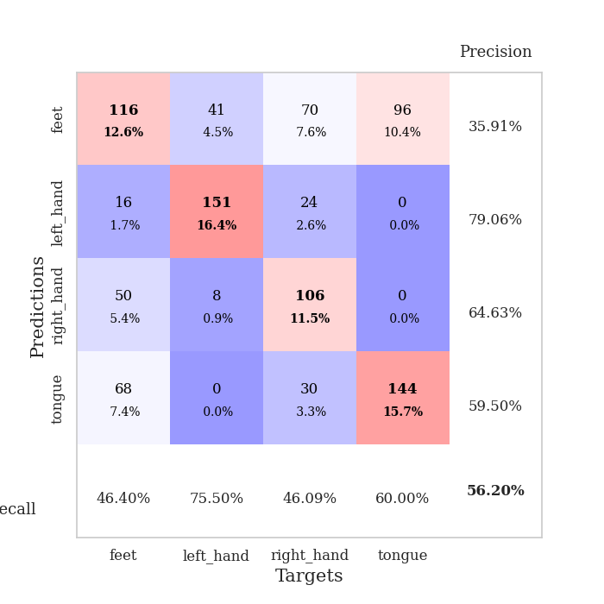
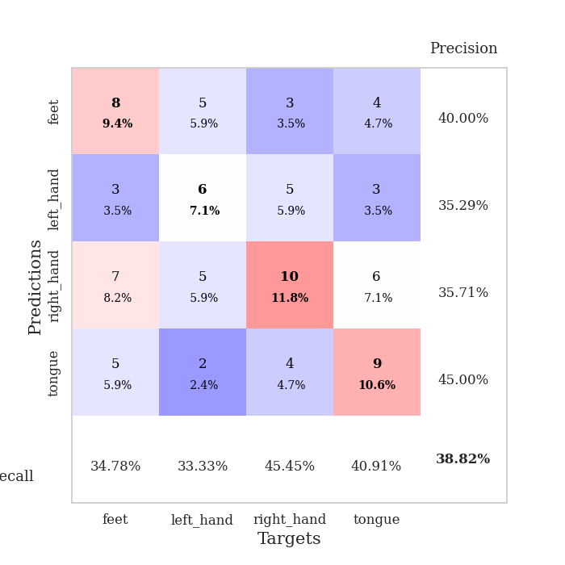
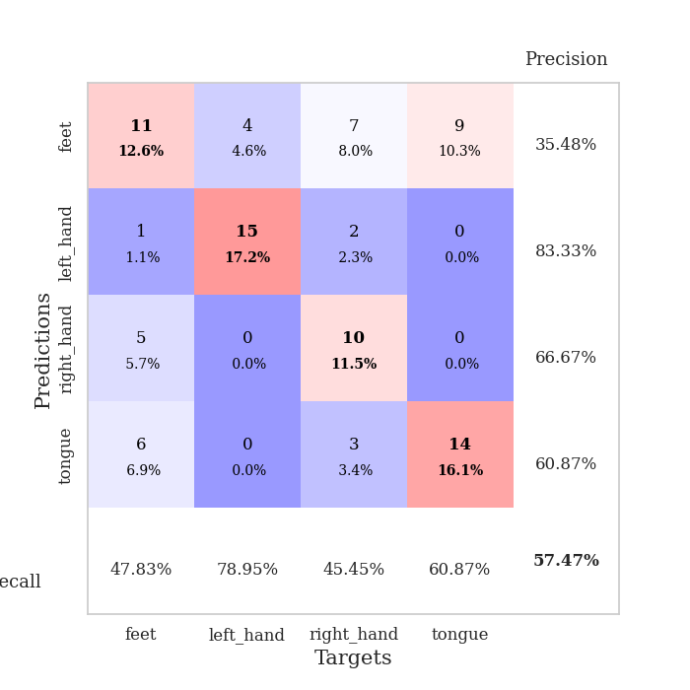
best_val_acc | best_val_los | best_test_acc
0.36956521739 | 1.5643951167 | 0.36206896552
0.38043478261 | 1.527277594 | 0.33620689655
0.32608695652 | 1.6690635474 | 0.3275862069
0.38043478261 | 1.5272154186 | 0.34482758621
0.29347826087 | 1.7792330669 | 0.30172413793
0.36956521739 | 1.5155304878 | 0.35344827586
0.36956521739 | 1.6175500465 | 0.33620689655
0.30434782609 | 1.5814208311 | 0.26724137931
0.33695652174 | 1.5889252113 | 0.29310344828
0.29347826087 | 1.6483974301 | 0.41379310345

Mean,std Val accuracy is 0.3423913043478261 , 0.03595911819072319 and mean, std test accuracy is 0.33362068965517244 , 0.04064847906840689
best_val_acc | best_val_los | best_test_acc
0.44565217391 | 1.6733107826 | 0.41379310345
0.4347826087 | 1.4718556171 | 0.40517241379
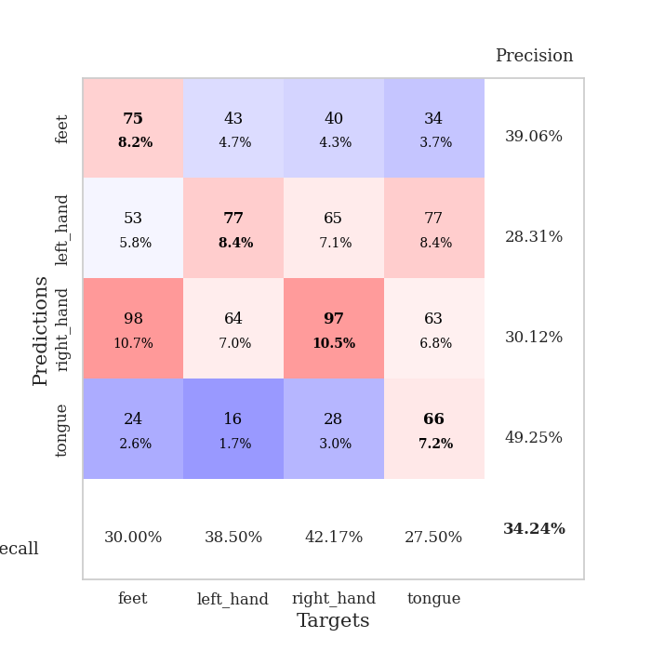
0.36956521739 | 1.6550380043 | 0.3275862069
0.34782608696 | 1.4682534726 | 0.3275862069
0.41304347826 | 1.472685109 | 0.33620689655
0.36956521739 | 1.5866573116 | 0.33620689655
0.34782608696 | 1.7252445791 | 0.41379310345
0.33695652174 | 1.6149736539 | 0.31896551724
0.32608695652 | 1.7419958115 | 0.45689655172
0.32608695652 | 1.6596777335 | 0.44827586207

Mean,std Val accuracy is 0.3717391304347826 , 0.044315608264987406 and mean, std test accuracy is 0.378448275862069 , 0.054286773453250954
best_val_acc | best_val_los | best_test_acc
0.55434782609 | 0.99502081197 | 0.62931034483
0.27173913043 | 1.3948397636 | 0.25862068966
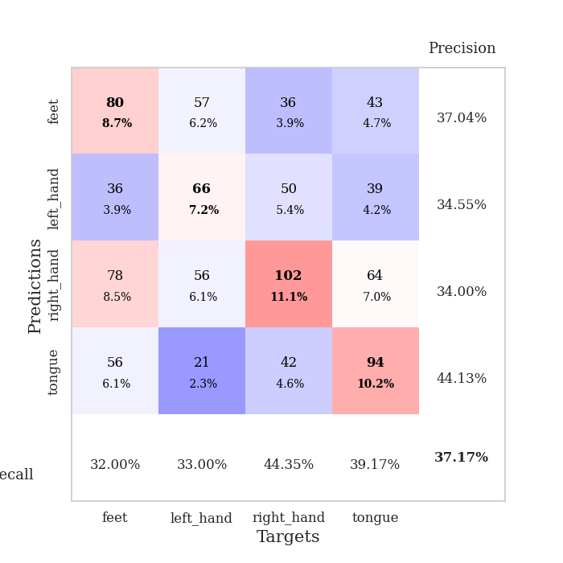
0.3152173913 | 1.3925634726 | 0.34482758621
0.72826086957 | 0.92454075813 | 0.74137931034
0.75 | 0.95062689159 | 0.75
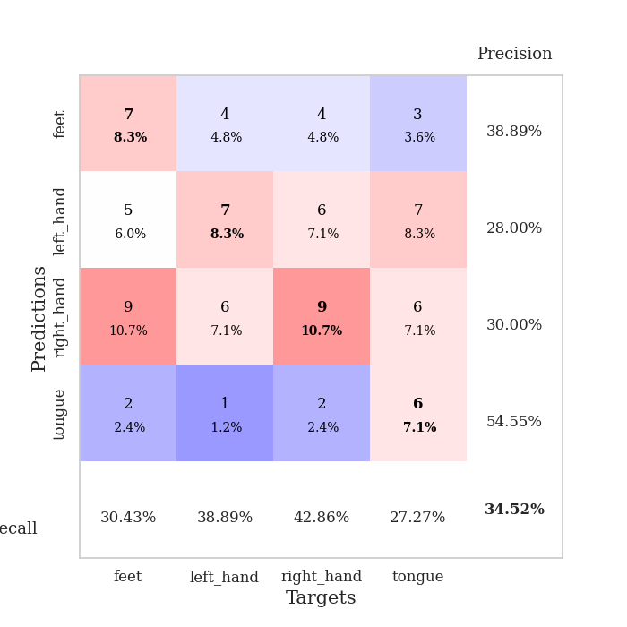
0.73913043478 | 0.84755416798 | 0.76724137931
0.72826086957 | 1.0525645199 | 0.74137931034
0.27173913043 | 1.6414327829 | 0.25862068966
0.73913043478 | 0.89353471476 | 0.77586206897
0.52173913043 | 0.99607319158 | 0.55172413793

Mean,std Val accuracy is 0.5619565217391302 , 0.20668376557920862 and mean, std test accuracy is 0.5818965517241379 , 0.2158904814028739

Sheet1
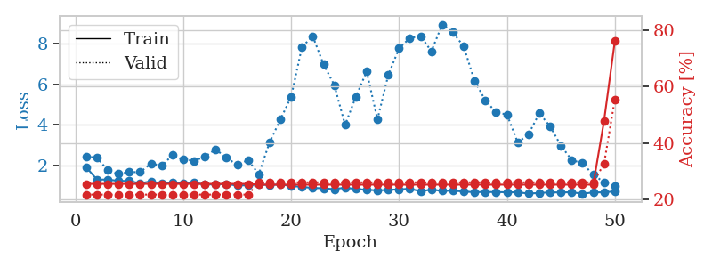
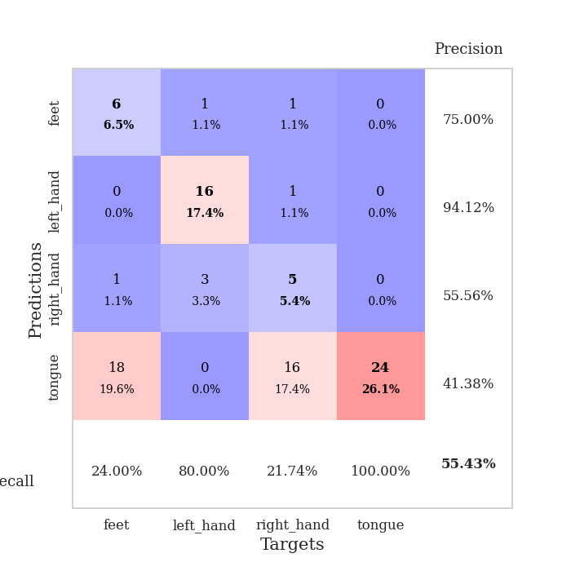
train_loss | valid_loss | train_accuracy | valid_accuracy | dur | train_misclass | valid_misclass
3.0721521067 | 2.9084211432 | 0.30434782609 | 0.27173913043 | 0.085121393204 | 30.434782609 | 27.173913043
1.7715243516 | 1.8681932947 | 0.41032608696 | 0.20652173913 | 0.082955598831 | 41.032608696 | 20.652173913
1.391865072 | 1.9748600462 | 0.3777173913 | 0.27173913043 | 0.082377195358 | 37.77173913 | 27.173913043
1.2453361542 | 1.67131666 | 0.52717391304 | 0.29347826087 | 0.085448503494 | 52.717391304 | 29.347826087
1.1459096852 | 1.616372549 | 0.63315217391 | 0.29347826087 | 0.084347724915 | 63.315217391 | 29.347826087
1.0735935698 | 1.604075437 | 0.61141304348 | 0.30434782609 | 0.083302974701 | 61.141304348 | 30.434782609
1.0773317373 | 1.5643951167 | 0.69565217391 | 0.30434782609 | 0.082990884781 | 69.565217391 | 30.434782609
0.96686993215 | 1.6792714751 | 0.67119565217 | 0.3152173913 | 0.082994222641 | 67.119565217 | 31.52173913
0.93987557162 | 1.7958703611 | 0.73913043478 | 0.30434782609 | 0.082889795303 | 73.913043478 | 30.434782609
0.97604180419 | 1.6794266856 | 0.75543478261 | 0.3152173913 | 0.082716703415 | 75.543478261 | 31.52173913
0.82440209389 | 1.8557205356 | 0.79347826087 | 0.30434782609 | 0.082833528519 | 79.347826087 | 30.434782609
0.79921783831 | 1.7491132954 | 0.84239130435 | 0.32608695652 | 0.082760095596 | 84.239130435 | 32.608695652
0.87152204436 | 1.7265137589 | 0.79891304348 | 0.33695652174 | 0.082631111145 | 79.891304348 | 33.695652174
0.80409939393 | 1.7738579201 | 0.83423913043 | 0.29347826087 | 0.082872629166 | 83.423913043 | 29.347826087
0.73088865306 | 1.75410945 | 0.82608695652 | 0.33695652174 | 0.08277130127 | 82.608695652 | 33.695652174
0.69377853819 | 1.8454348108 | 0.86141304348 | 0.32608695652 | 0.082695007324 | 86.141304348 | 32.608695652
0.74830622388 | 1.8476341289 | 0.86141304348 | 0.33695652174 | 0.082591533661 | 86.141304348 | 33.695652174
0.70792915899 | 1.8343611386 | 0.89673913043 | 0.29347826087 | 0.082677602768 | 89.673913043 | 29.347826087
0.63674574313 | 1.8614038851 | 0.89673913043 | 0.29347826087 | 0.082627534866 | 89.673913043 | 29.347826087
0.68564578308 | 1.8019801067 | 0.88858695652 | 0.30434782609 | 0.082643270493 | 88.858695652 | 30.434782609
0.61995899289 | 1.795992307 | 0.90760869565 | 0.30434782609 | 0.08274435997 | 90.760869565 | 30.434782609
0.59671090543 | 1.8979655504 | 0.91032608696 | 0.30434782609 | 0.082675933838 | 91.032608696 | 30.434782609
0.60723822791 | 1.8278735824 | 0.92391304348 | 0.34782608696 | 0.082685947418 | 92.391304348 | 34.782608696
0.58707646766 | 1.8875610362 | 0.92663043478 | 0.30434782609 | 0.085560321808 | 92.663043478 | 30.434782609
0.4996482108 | 1.9449839126 | 0.94836956522 | 0.32608695652 | 0.082628011703 | 94.836956522 | 32.608695652
0.5222741657 | 1.909114734 | 0.9402173913 | 0.33695652174 | 0.082298755646 | 94.02173913 | 33.695652174
0.50198344822 | 1.9109658158 | 0.95108695652 | 0.3152173913 | 0.08257484436 | 95.108695652 | 31.52173913
0.47882727955 | 1.9780730579 | 0.88858695652 | 0.33695652174 | 0.082773923874 | 88.858695652 | 33.695652174
0.44189148493 | 1.9430924291 | 0.95380434783 | 0.35869565217 | 0.082793474197 | 95.380434783 | 35.869565217
0.42482650474 | 1.9119375944 | 0.95380434783 | 0.33695652174 | 0.082836866379 | 95.380434783 | 33.695652174
0.52071894705 | 1.9397550821 | 0.89130434783 | 0.34782608696 | 0.082890748978 | 89.130434783 | 34.782608696
0.46110201854 | 1.9732211828 | 0.92934782609 | 0.36956521739 | 0.082396745682 | 92.934782609 | 36.956521739
0.48835989444 | 1.9683773258 | 0.9375 | 0.32608695652 | 0.0827023983 | 93.75 | 32.608695652
0.41222211395 | 1.9639804 | 0.92934782609 | 0.32608695652 | 0.082484483719 | 92.934782609 | 32.608695652
0.36603331307 | 1.9463996265 | 0.94836956522 | 0.32608695652 | 0.082666635513 | 94.836956522 | 32.608695652
0.43421460623 | 2.0777606912 | 0.91032608696 | 0.33695652174 | 0.08256149292 | 91.032608696 | 33.695652174
0.44039120363 | 2.0306995381 | 0.95108695652 | 0.33695652174 | 0.08266043663 | 95.108695652 | 33.695652174
0.40518585625 | 2.0213584019 | 0.97010869565 | 0.33695652174 | 0.082723617554 | 97.010869565 | 33.695652174
0.38394739446 | 2.0417412519 | 0.97010869565 | 0.3152173913 | 0.082564592361 | 97.010869565 | 31.52173913
0.3573348425 | 2.0270430368 | 0.96467391304 | 0.32608695652 | 0.082684278488 | 96.467391304 | 32.608695652
0.37017189355 | 2.0490717525 | 0.96739130435 | 0.32608695652 | 0.082859992981 | 96.739130435 | 32.608695652
0.36563713395 | 2.0438654734 | 0.96739130435 | 0.3152173913 | 0.082693576813 | 96.739130435 | 31.52173913
0.35994504457 | 2.0146822515 | 0.96739130435 | 0.3152173913 | 0.082697629929 | 96.739130435 | 31.52173913
0.33048845504 | 2.02394118 | 0.97010869565 | 0.32608695652 | 0.082663059235 | 97.010869565 | 32.608695652
0.30536670724 | 2.0290074348 | 0.97010869565 | 0.33695652174 | 0.082771778107 | 97.010869565 | 33.695652174
0.37934950156 | 2.0335919391 | 0.97010869565 | 0.33695652174 | 0.082597732544 | 97.010869565 | 33.695652174
0.35360083178 | 2.036202638 | 0.97282608696 | 0.34782608696 | 0.082530021667 | 97.282608696 | 34.782608696
0.44750774684 | 2.0388588076 | 0.97554347826 | 0.34782608696 | 0.082567214966 | 97.554347826 | 34.782608696
0.35365912966 | 2.042517916 | 0.97554347826 | 0.33695652174 | 0.082792758942 | 97.554347826 | 33.695652174
0.31968496481 | 2.0447016799 | 0.97554347826 | 0.33695652174 | 0.082470178604 | 97.554347826 | 33.695652174

Best Val accuracy is 0.3695652173913043 and Best test accuracy is 0.3620689655172414
train_loss | valid_loss | train_accuracy | valid_accuracy | dur | train_misclass | valid_misclass
4.3510037453 | 32.672342549 | 0.28532608696 | 0.27173913043 | 0.082544088364 | 28.532608696 | 27.173913043
1.6330677426 | 6.780963566 | 0.4402173913 | 0.23913043478 | 0.080856323242 | 44.02173913 | 23.913043478
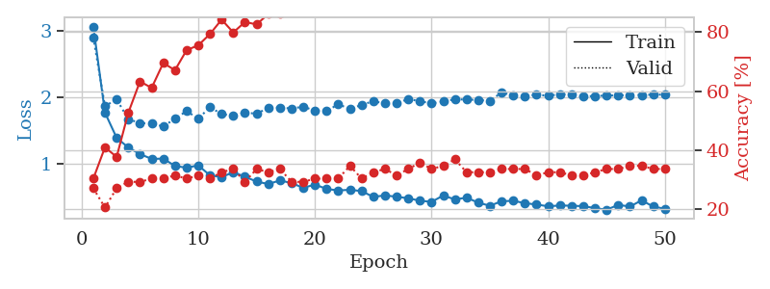
1.4696343049 | 4.2724086927 | 0.40489130435 | 0.26086956522 | 0.080145359039 | 40.489130435 | 26.086956522
1.2862922575 | 2.6878120588 | 0.51902173913 | 0.32608695652 | 0.080401182175 | 51.902173913 | 32.608695652
1.2503882724 | 2.0803409556 | 0.57608695652 | 0.27173913043 | 0.087339639664 | 57.608695652 | 27.173913043
1.1782470527 | 2.1131989438 | 0.61956521739 | 0.29347826087 | 0.082971572876 | 61.956521739 | 29.347826087
1.1086139627 | 1.8731998827 | 0.67391304348 | 0.28260869565 | 0.082319498062 | 67.391304348 | 28.260869565
1.0575808883 | 1.9237142853 | 0.67663043478 | 0.30434782609 | 0.081937789917 | 67.663043478 | 30.434782609
0.96322294163 | 1.6812704076 | 0.70923913043 | 0.32608695652 | 0.081761598587 | 70.923913043 | 32.608695652
0.87133682552 | 1.8579800077 | 0.70923913043 | 0.38043478261 | 0.081564903259 | 70.923913043 | 38.043478261
0.90367072821 | 1.6733107826 | 0.73913043478 | 0.34782608696 | 0.084944963455 | 73.913043478 | 34.782608696
0.85406133144 | 1.7108354828 | 0.78804347826 | 0.36956521739 | 0.081703424454 | 78.804347826 | 36.956521739
0.87469384981 | 1.6920206028 | 0.79891304348 | 0.36956521739 | 0.081525087357 | 79.891304348 | 36.956521739
0.82158388521 | 1.7406279989 | 0.80706521739 | 0.36956521739 | 0.08153629303 | 80.706521739 | 36.956521739
0.772195461 | 1.8331788053 | 0.73913043478 | 0.32608695652 | 0.08145070076 | 73.913043478 | 32.608695652
0.7859368091 | 1.7236130756 | 0.8097826087 | 0.34782608696 | 0.081514358521 | 80.97826087 | 34.782608696
0.71272860273 | 1.8140380694 | 0.74456521739 | 0.38043478261 | 0.081434965134 | 74.456521739 | 38.043478261
0.71943689429 | 1.7610324466 | 0.79891304348 | 0.44565217391 | 0.081890821457 | 79.891304348 | 44.565217391
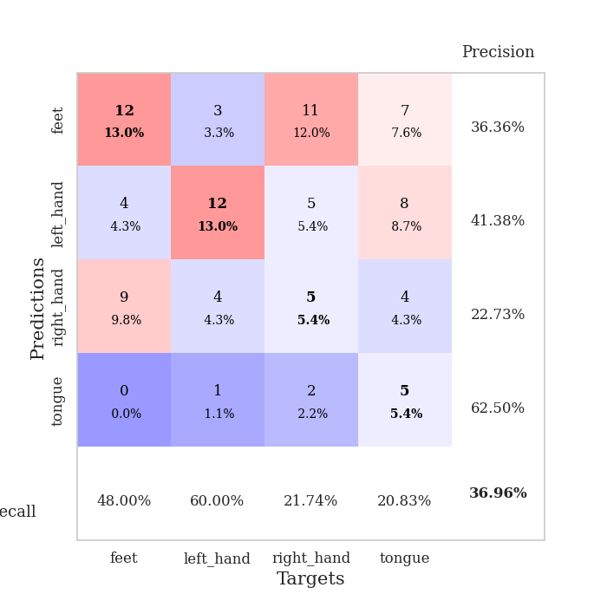
0.6579131199 | 1.756256995 | 0.86141304348 | 0.41304347826 | 0.081780672073 | 86.141304348 | 41.304347826
0.69007374541 | 1.8455355271 | 0.77173913043 | 0.39130434783 | 0.081480979919 | 77.173913043 | 39.130434783
0.6280723253 | 1.74810819 | 0.83695652174 | 0.32608695652 | 0.08163523674 | 83.695652174 | 32.608695652
0.63611662517 | 1.8693009719 | 0.83423913043 | 0.35869565217 | 0.081510305405 | 83.423913043 | 35.869565217
0.6373169176 | 1.9632835596 | 0.75815217391 | 0.3152173913 | 0.081544160843 | 75.815217391 | 31.52173913
0.59913217374 | 1.9682067218 | 0.76358695652 | 0.30434782609 | 0.082046985626 | 76.358695652 | 30.434782609
0.62499625786 | 1.7561395427 | 0.88043478261 | 0.39130434783 | 0.08166885376 | 88.043478261 | 39.130434783
0.55301956768 | 2.0211112396 | 0.75543478261 | 0.30434782609 | 0.081516981125 | 75.543478261 | 30.434782609
0.5955051553 | 1.8803567835 | 0.82608695652 | 0.33695652174 | 0.081534862518 | 82.608695652 | 33.695652174
0.53840964514 | 1.8778929555 | 0.82336956522 | 0.33695652174 | 0.081917285919 | 82.336956522 | 33.695652174
0.56707737886 | 1.8156557135 | 0.85869565217 | 0.35869565217 | 0.081412315369 | 85.869565217 | 35.869565217
0.54939778473 | 1.8619271102 | 0.86413043478 | 0.33695652174 | 0.081621646881 | 86.413043478 | 33.695652174
0.52578785562 | 2.0255151002 | 0.73913043478 | 0.30434782609 | 0.081563711166 | 73.913043478 | 30.434782609
0.52722320932 | 1.9857956845 | 0.78532608696 | 0.30434782609 | 0.081605434418 | 78.532608696 | 30.434782609
0.52774252969 | 1.9179670344 | 0.85597826087 | 0.36956521739 | 0.081689119339 | 85.597826087 | 36.956521739
0.48679143514 | 1.895385198 | 0.88586956522 | 0.36956521739 | 0.081510543823 | 88.586956522 | 36.956521739
0.48610261601 | 1.8667163227 | 0.86956521739 | 0.34782608696 | 0.081574678421 | 86.956521739 | 34.782608696
0.44691437224 | 1.9695463543 | 0.8722826087 | 0.33695652174 | 0.081577301025 | 87.22826087 | 33.695652174
0.50108769666 | 1.9503243851 | 0.8722826087 | 0.35869565217 | 0.081717252731 | 87.22826087 | 35.869565217
0.49041759838 | 1.9333186512 | 0.8722826087 | 0.35869565217 | 0.08412194252 | 87.22826087 | 35.869565217
0.44408141012 | 1.9225518341 | 0.89130434783 | 0.34782608696 | 0.081698179245 | 89.130434783 | 34.782608696
0.3805662115 | 1.8588460736 | 0.91304347826 | 0.35869565217 | 0.081819295883 | 91.304347826 | 35.869565217
0.4485071525 | 1.8643325826 | 0.92391304348 | 0.35869565217 | 0.081564426422 | 92.391304348 | 35.869565217
0.42971449734 | 1.8946708648 | 0.90489130435 | 0.36956521739 | 0.081670999527 | 90.489130435 | 36.956521739
0.44835687429 | 1.8947062596 | 0.89945652174 | 0.35869565217 | 0.081517934799 | 89.945652174 | 35.869565217
0.4148262033 | 1.8850329648 | 0.90760869565 | 0.35869565217 | 0.08153128624 | 90.760869565 | 35.869565217
0.41352709091 | 1.8744300656 | 0.90760869565 | 0.35869565217 | 0.081636667252 | 90.760869565 | 35.869565217
0.4569774432 | 1.8726711532 | 0.91847826087 | 0.36956521739 | 0.081554174423 | 91.847826087 | 36.956521739
0.46805284334 | 1.8753406431 | 0.92391304348 | 0.36956521739 | 0.081978797913 | 92.391304348 | 36.956521739
0.40171225207 | 1.8776091648 | 0.92663043478 | 0.36956521739 | 0.081700563431 | 92.663043478 | 36.956521739
0.40494525757 | 1.8794936045 | 0.92934782609 | 0.36956521739 | 0.081668615341 | 92.934782609 | 36.956521739
0.44057731525 | 1.8802583684 | 0.9347826087 | 0.38043478261 | 0.081633329391 | 93.47826087 | 38.043478261

Best Val accuracy is 0.44565217391304346 and Best test accuracy is 0.41379310344827586
train_loss | valid_loss | train_accuracy | valid_accuracy | dur | train_misclass | valid_misclass
1.925540893 | 2.4564298443 | 0.25543478261 | 0.21739130435 | 0.20954298973 | 25.543478261 | 21.739130435
1.3221225842 | 2.388881901 | 0.25543478261 | 0.21739130435 | 0.21030473709 | 25.543478261 | 21.739130435
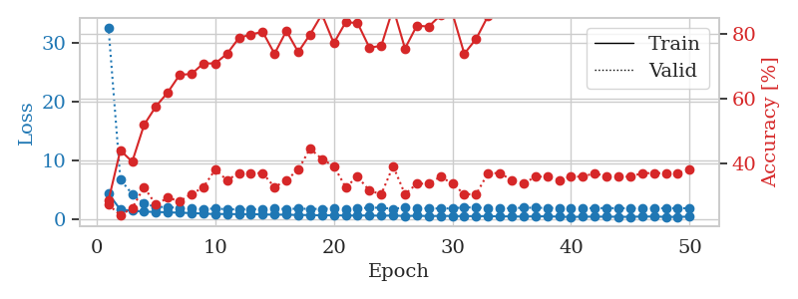
1.3181704542 | 1.7804529511 | 0.25543478261 | 0.21739130435 | 0.2096927166 | 25.543478261 | 21.739130435
1.2573666184 | 1.5975184492 | 0.25543478261 | 0.21739130435 | 0.21331739426 | 25.543478261 | 21.739130435
1.2528278517 | 1.6919023628 | 0.25543478261 | 0.21739130435 | 0.21151328087 | 25.543478261 | 21.739130435
1.1346506736 | 1.6805661813 | 0.25543478261 | 0.21739130435 | 0.21376800537 | 25.543478261 | 21.739130435
1.2365860654 | 2.1072621967 | 0.25543478261 | 0.21739130435 | 0.21163058281 | 25.543478261 | 21.739130435
1.1123616825 | 1.995839658 | 0.25543478261 | 0.21739130435 | 0.2122130394 | 25.543478261 | 21.739130435
1.1982603047 | 2.5210847855 | 0.25543478261 | 0.21739130435 | 0.21041965485 | 25.543478261 | 21.739130435
1.1394977077 | 2.2993368791 | 0.25543478261 | 0.21739130435 | 0.21147727966 | 25.543478261 | 21.739130435
1.1584917125 | 2.2415345337 | 0.25543478261 | 0.21739130435 | 0.21393370628 | 25.543478261 | 21.739130435
1.0822593233 | 2.4379730225 | 0.25543478261 | 0.21739130435 | 0.21223759651 | 25.543478261 | 21.739130435
1.0870626621 | 2.8083021433 | 0.25543478261 | 0.21739130435 | 0.21174716949 | 25.543478261 | 21.739130435
1.0978201239 | 2.3800049761 | 0.25543478261 | 0.21739130435 | 0.21553707123 | 25.543478261 | 21.739130435
1.0297926483 | 2.0513308359 | 0.25543478261 | 0.21739130435 | 0.21263217926 | 25.543478261 | 21.739130435
1.0431035161 | 2.2704837322 | 0.25543478261 | 0.21739130435 | 0.21117258072 | 25.543478261 | 21.739130435
1.0764832704 | 1.5894849871 | 0.2527173913 | 0.26086956522 | 0.21375513077 | 25.27173913 | 26.086956522
1.0526685119 | 3.1484078428 | 0.2527173913 | 0.26086956522 | 0.21151638031 | 25.27173913 | 26.086956522
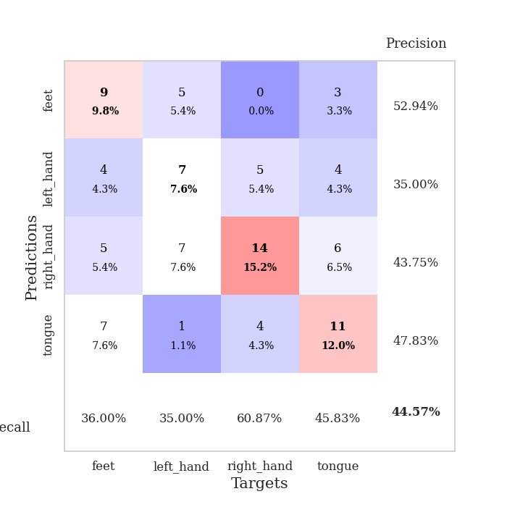
1.0780976881 | 4.2660282591 | 0.2527173913 | 0.26086956522 | 0.20910620689 | 25.27173913 | 26.086956522
1.0081806857 | 5.3811160792 | 0.2527173913 | 0.26086956522 | 0.21144413948 | 25.27173913 | 26.086956522
0.96033283679 | 7.8258991863 | 0.2527173913 | 0.26086956522 | 0.2102394104 | 25.27173913 | 26.086956522
0.90971630812 | 8.3595951951 | 0.2527173913 | 0.26086956522 | 0.21285223961 | 25.27173913 | 26.086956522
0.89129573366 | 6.9735685431 | 0.2527173913 | 0.26086956522 | 0.21200537682 | 25.27173913 | 26.086956522
0.84731780446 | 5.9629571127 | 0.2527173913 | 0.26086956522 | 0.2116587162 | 25.27173913 | 26.086956522
0.92701685688 | 4.0006530181 | 0.2527173913 | 0.26086956522 | 0.21136236191 | 25.27173913 | 26.086956522
0.85138899088 | 5.3853822998 | 0.2527173913 | 0.26086956522 | 0.21214842796 | 25.27173913 | 26.086956522
0.82033305064 | 6.6314026169 | 0.2527173913 | 0.26086956522 | 0.21551799774 | 25.27173913 | 26.086956522
0.78748254672 | 4.2691721294 | 0.2527173913 | 0.26086956522 | 0.21137142181 | 25.27173913 | 26.086956522
0.81263795365 | 6.4483605882 | 0.2527173913 | 0.26086956522 | 0.21231532097 | 25.27173913 | 26.086956522
0.83996116338 | 7.7565715417 | 0.2527173913 | 0.26086956522 | 0.21258044243 | 25.27173913 | 26.086956522
0.86539742221 | 8.2715497432 | 0.2527173913 | 0.26086956522 | 0.2111260891 | 25.27173913 | 26.086956522
0.74602311202 | 8.3610104063 | 0.2527173913 | 0.26086956522 | 0.21049904823 | 25.27173913 | 26.086956522
0.82572937919 | 7.6165761533 | 0.2527173913 | 0.26086956522 | 0.21019625664 | 25.27173913 | 26.086956522
0.76427502736 | 8.9342141359 | 0.2527173913 | 0.26086956522 | 0.21208786964 | 25.27173913 | 26.086956522
0.77522467271 | 8.5442708886 | 0.2527173913 | 0.26086956522 | 0.20993804932 | 25.27173913 | 26.086956522
0.72977250814 | 7.8476753857 | 0.2527173913 | 0.26086956522 | 0.20845031738 | 25.27173913 | 26.086956522
0.70128329293 | 6.1552735412 | 0.2527173913 | 0.26086956522 | 0.21137785912 | 25.27173913 | 26.086956522
0.71131277084 | 5.210713967 | 0.2527173913 | 0.26086956522 | 0.20753574371 | 25.27173913 | 26.086956522
0.70516009564 | 4.6165368039 | 0.2527173913 | 0.26086956522 | 0.21021056175 | 25.27173913 | 26.086956522
0.69756403695 | 4.5107361337 | 0.2527173913 | 0.26086956522 | 0.21090269089 | 25.27173913 | 26.086956522
0.69162606416 | 3.1413276507 | 0.2527173913 | 0.26086956522 | 0.21254563332 | 25.27173913 | 26.086956522
0.6354968185 | 3.5384639242 | 0.2527173913 | 0.26086956522 | 0.21172070503 | 25.27173913 | 26.086956522
0.65884560994 | 4.5760432534 | 0.2527173913 | 0.26086956522 | 0.2107899189 | 25.27173913 | 26.086956522
0.69337079836 | 3.9348308314 | 0.2527173913 | 0.26086956522 | 0.21055412292 | 25.27173913 | 26.086956522
0.68703583012 | 2.9897146536 | 0.2527173913 | 0.26086956522 | 0.2107796669 | 25.27173913 | 26.086956522
0.69991044765 | 2.2799996604 | 0.2527173913 | 0.26086956522 | 0.21191954613 | 25.27173913 | 26.086956522
0.62113278716 | 2.1176561946 | 0.2527173913 | 0.26086956522 | 0.21038389206 | 25.27173913 | 26.086956522
0.69122023816 | 1.562084198 | 0.2527173913 | 0.26086956522 | 0.20852780342 | 25.27173913 | 26.086956522
0.6929170904 | 1.1873202946 | 0.47826086957 | 0.32608695652 | 0.21068429947 | 47.826086957 | 32.608695652
0.73961383882 | 0.99502081197 | 0.76086956522 | 0.55434782609 | 0.21127486229 | 76.086956522 | 55.434782609

Best Val accuracy is 0.5543478260869565 and Best test accuracy is 0.6293103448275862

Sheet2
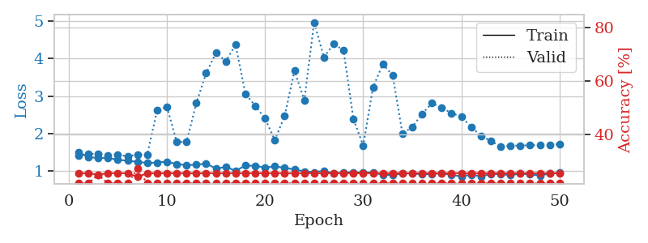
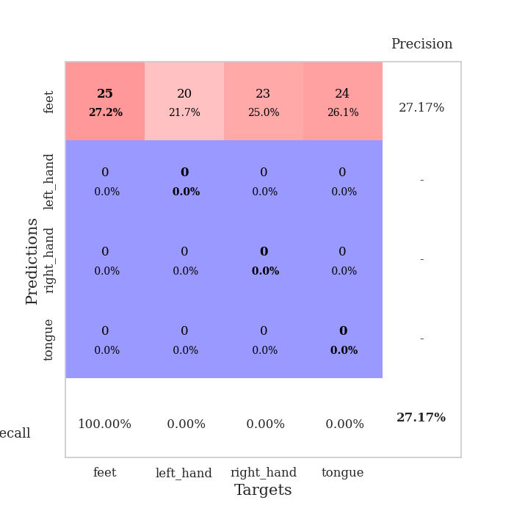
train_loss | valid_loss | train_accuracy | valid_accuracy | dur | train_misclass | valid_misclass
2.7941485177 | 4.5505337301 | 0.28532608696 | 0.23913043478 | 0.084222316742 | 28.532608696 | 23.913043478
1.5220314783 | 3.9160652161 | 0.38043478261 | 0.21739130435 | 0.082491397858 | 38.043478261 | 21.739130435
1.3404118885 | 2.0733896649 | 0.48097826087 | 0.23913043478 | 0.082195997238 | 48.097826087 | 23.913043478
1.3227257107 | 2.0055593511 | 0.55163043478 | 0.17391304348 | 0.082029819489 | 55.163043478 | 17.391304348
1.2593691945 | 1.9135771731 | 0.59782608696 | 0.22826086957 | 0.082194805145 | 59.782608696 | 22.826086957
1.1487188495 | 1.7976914696 | 0.61684782609 | 0.28260869565 | 0.082322359085 | 61.684782609 | 28.260869565
1.1263582732 | 1.6799184706 | 0.67391304348 | 0.22826086957 | 0.082186460495 | 67.391304348 | 22.826086957
1.0444386601 | 1.7441577756 | 0.69836956522 | 0.20652173913 | 0.082165718079 | 69.836956522 | 20.652173913
0.99808188625 | 1.7022901566 | 0.72010869565 | 0.22826086957 | 0.083421230316 | 72.010869565 | 22.826086957
0.92901124384 | 1.7709185351 | 0.6875 | 0.22826086957 | 0.082748889923 | 68.75 | 22.826086957
0.99739021063 | 1.6252959034 | 0.76630434783 | 0.25 | 0.082360982895 | 76.630434783 | 25
0.8779152865 | 1.6844749503 | 0.71467391304 | 0.29347826087 | 0.082767724991 | 71.467391304 | 29.347826087
0.81708840831 | 1.527277594 | 0.77989130435 | 0.38043478261 | 0.082768917084 | 77.989130435 | 38.043478261
0.76803625667 | 1.676141656 | 0.76086956522 | 0.26086956522 | 0.082745313644 | 76.086956522 | 26.086956522
0.75807968819 | 1.6976248285 | 0.70652173913 | 0.28260869565 | 0.082854747772 | 70.652173913 | 28.260869565
0.74814702635 | 1.689213561 | 0.71739130435 | 0.26086956522 | 0.08248090744 | 71.739130435 | 26.086956522
0.69283429306 | 1.7744006022 | 0.79347826087 | 0.29347826087 | 0.082545757294 | 79.347826087 | 29.347826087
0.68273130966 | 1.9415043126 | 0.76630434783 | 0.32608695652 | 0.082777261734 | 76.630434783 | 32.608695652
0.63701449659 | 1.7204977792 | 0.83695652174 | 0.34782608696 | 0.08273434639 | 83.695652174 | 34.782608696
0.71674560334 | 1.7338295449 | 0.83695652174 | 0.3152173913 | 0.08246922493 | 83.695652174 | 31.52173913
0.62443120454 | 1.7551834687 | 0.83967391304 | 0.33695652174 | 0.082556247711 | 83.967391304 | 33.695652174
0.63429655459 | 1.8263568256 | 0.8777173913 | 0.29347826087 | 0.08241558075 | 87.77173913 | 29.347826087
0.65158849048 | 1.8099176365 | 0.86684782609 | 0.3152173913 | 0.082535982132 | 86.684782609 | 31.52173913
0.5578013069 | 1.7510651195 | 0.89673913043 | 0.35869565217 | 0.082528352737 | 89.673913043 | 35.869565217
0.53245307052 | 1.7449480917 | 0.89130434783 | 0.34782608696 | 0.08257317543 | 89.130434783 | 34.782608696
0.59184987778 | 1.8216871334 | 0.85054347826 | 0.33695652174 | 0.082623720169 | 85.054347826 | 33.695652174
0.5093525687 | 1.7851115776 | 0.8777173913 | 0.30434782609 | 0.082634449005 | 87.77173913 | 30.434782609
0.50961639181 | 1.9734045578 | 0.80434782609 | 0.29347826087 | 0.082834482193 | 80.434782609 | 29.347826087
0.49434778613 | 2.1925337833 | 0.6875 | 0.29347826087 | 0.082572698593 | 68.75 | 29.347826087
0.49111174371 | 2.0103335951 | 0.79619565217 | 0.30434782609 | 0.082715511322 | 79.619565217 | 30.434782609
0.42684182266 | 1.9860339528 | 0.82608695652 | 0.33695652174 | 0.082874536514 | 82.608695652 | 33.695652174
0.44605914147 | 2.0212014706 | 0.83152173913 | 0.30434782609 | 0.08278632164 | 83.152173913 | 30.434782609
0.42908049602 | 1.8704588413 | 0.875 | 0.3152173913 | 0.08280134201 | 87.5 | 31.52173913
0.42976652021 | 1.8977579915 | 0.86956521739 | 0.32608695652 | 0.082679033279 | 86.956521739 | 32.608695652
0.4092837436 | 1.9628564586 | 0.8722826087 | 0.33695652174 | 0.0827023983 | 87.22826087 | 33.695652174
0.43997219205 | 1.9351338355 | 0.89130434783 | 0.33695652174 | 0.082979202271 | 89.130434783 | 33.695652174
0.36668111675 | 2.0563748816 | 0.84510869565 | 0.30434782609 | 0.082588672638 | 84.510869565 | 30.434782609
0.39763287163 | 1.9859851391 | 0.8722826087 | 0.30434782609 | 0.082664966583 | 87.22826087 | 30.434782609
0.41179046294 | 1.9813227809 | 0.86413043478 | 0.30434782609 | 0.082829236984 | 86.413043478 | 30.434782609
0.40279985964 | 1.985477007 | 0.8722826087 | 0.30434782609 | 0.082556009293 | 87.22826087 | 30.434782609
0.37991966502 | 2.04839397 | 0.86956521739 | 0.30434782609 | 0.08255815506 | 86.956521739 | 30.434782609
0.39888927341 | 2.0588272914 | 0.86956521739 | 0.30434782609 | 0.082623243332 | 86.956521739 | 30.434782609
0.36419873199 | 2.0066997227 | 0.89673913043 | 0.29347826087 | 0.082717180252 | 89.673913043 | 29.347826087
0.37721967568 | 2.0084342542 | 0.89130434783 | 0.29347826087 | 0.082949876785 | 89.130434783 | 29.347826087
0.34602206524 | 2.0114916097 | 0.89130434783 | 0.29347826087 | 0.082657575607 | 89.130434783 | 29.347826087
0.40412941251 | 2.0094215144 | 0.89673913043 | 0.29347826087 | 0.082356214523 | 89.673913043 | 29.347826087
0.31770494451 | 2.0087344491 | 0.90217391304 | 0.29347826087 | 0.082384347916 | 90.217391304 | 29.347826087
0.42256953438 | 2.0058802781 | 0.90217391304 | 0.29347826087 | 0.089096069336 | 90.217391304 | 29.347826087
0.37255912047 | 2.0018882492 | 0.90489130435 | 0.30434782609 | 0.086801767349 | 90.489130435 | 30.434782609
0.38000532045 | 1.9987713358 | 0.90760869565 | 0.30434782609 | 0.082581281662 | 90.760869565 | 30.434782609

Best Val accuracy is 0.3804347826086957 and Best test accuracy is 0.33620689655172414
train_loss | valid_loss | train_accuracy | valid_accuracy | dur | train_misclass | valid_misclass
3.6590401712 | 6.3138768777 | 0.2527173913 | 0.26086956522 | 0.082879543304 | 25.27173913 | 26.086956522
1.6033228325 | 1.7558415454 | 0.34510869565 | 0.25 | 0.08078789711 | 34.510869565 | 25
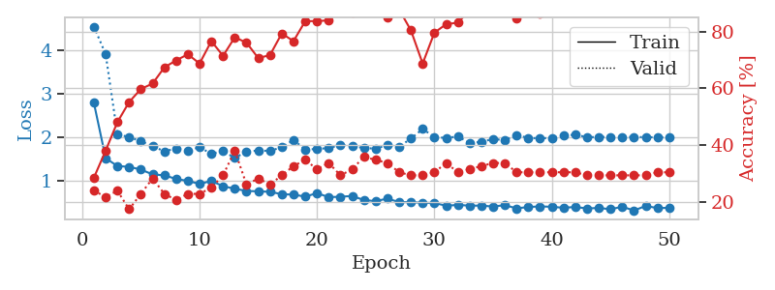
1.3780612842 | 1.8259834518 | 0.41847826087 | 0.25 | 0.080633401871 | 41.847826087 | 25
1.2690177275 | 1.5678205075 | 0.59510869565 | 0.25 | 0.080294847488 | 59.510869565 | 25
1.2564660129 | 1.6522392035 | 0.61413043478 | 0.23913043478 | 0.079964637756 | 61.413043478 | 23.913043478
1.1328333435 | 1.7602729797 | 0.59782608696 | 0.27173913043 | 0.079988718033 | 59.782608696 | 27.173913043
1.2107559754 | 1.7302543236 | 0.63043478261 | 0.30434782609 | 0.08007645607 | 63.043478261 | 30.434782609
1.0693072158 | 1.5121580155 | 0.63858695652 | 0.22826086957 | 0.080026388168 | 63.858695652 | 22.826086957
1.0558533928 | 1.4778047904 | 0.70652173913 | 0.30434782609 | 0.079847574234 | 70.652173913 | 30.434782609
0.94882591393 | 1.4768060549 | 0.73369565217 | 0.27173913043 | 0.080093383789 | 73.369565217 | 27.173913043
0.93904829544 | 1.5766920421 | 0.71467391304 | 0.27173913043 | 0.079967260361 | 71.467391304 | 27.173913043
0.94712710121 | 1.7082517821 | 0.72554347826 | 0.3152173913 | 0.080203294754 | 72.554347826 | 31.52173913
0.96544514532 | 1.585176074 | 0.72282608696 | 0.32608695652 | 0.079975128174 | 72.282608696 | 32.608695652
0.80214026441 | 1.5603993613 | 0.82608695652 | 0.34782608696 | 0.081870317459 | 82.608695652 | 34.782608696
0.80443634417 | 1.648935743 | 0.79076086957 | 0.30434782609 | 0.080112218857 | 79.076086957 | 30.434782609
0.80753460915 | 1.6059600322 | 0.85597826087 | 0.33695652174 | 0.079847812653 | 85.597826087 | 33.695652174
0.72208390806 | 1.6346329554 | 0.75543478261 | 0.32608695652 | 0.080037117004 | 75.543478261 | 32.608695652
0.70929913158 | 1.6784140338 | 0.8125 | 0.27173913043 | 0.080035209656 | 81.25 | 27.173913043
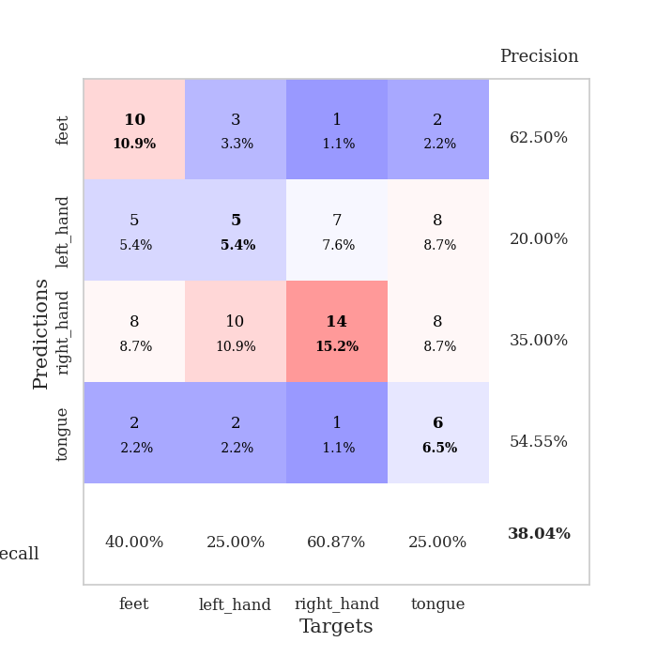
0.65367461935 | 1.6109131315 | 0.85054347826 | 0.38043478261 | 0.079970121384 | 85.054347826 | 38.043478261
0.72722959518 | 1.7331336789 | 0.82608695652 | 0.34782608696 | 0.080015659332 | 82.608695652 | 34.782608696
0.5881063977 | 1.6107185561 | 0.89945652174 | 0.32608695652 | 0.080914974213 | 89.945652174 | 32.608695652
0.65028554072 | 1.4801057966 | 0.90489130435 | 0.41304347826 | 0.079884529114 | 90.489130435 | 41.304347826
0.6272715382 | 1.552194103 | 0.8722826087 | 0.4347826087 | 0.080243110657 | 87.22826087 | 43.47826087
0.62365975458 | 1.4718556171 | 0.9402173913 | 0.35869565217 | 0.080784082413 | 94.02173913 | 35.869565217
0.64139072791 | 1.6034549008 | 0.89402173913 | 0.30434782609 | 0.080009222031 | 89.402173913 | 30.434782609
0.56141654694 | 1.5799700644 | 0.9402173913 | 0.36956521739 | 0.079743146896 | 94.02173913 | 36.956521739
0.58334039152 | 1.638297563 | 0.92391304348 | 0.32608695652 | 0.07995557785 | 92.391304348 | 32.608695652
0.61514880541 | 1.5119565311 | 0.94565217391 | 0.3152173913 | 0.083151102066 | 94.565217391 | 31.52173913
0.47256313588 | 1.5657799296 | 0.9347826087 | 0.33695652174 | 0.081045866013 | 93.47826087 | 33.695652174
0.48767169403 | 1.6955562519 | 0.89402173913 | 0.3152173913 | 0.079981088638 | 89.402173913 | 31.52173913
0.52113943644 | 1.8596882665 | 0.78260869565 | 0.33695652174 | 0.079894304276 | 78.260869565 | 33.695652174
0.46646347156 | 1.618882638 | 0.90217391304 | 0.36956521739 | 0.080273389816 | 90.217391304 | 36.956521739
0.50869310874 | 1.5469433147 | 0.97010869565 | 0.38043478261 | 0.079913139343 | 97.010869565 | 38.043478261
0.47446759304 | 1.735523623 | 0.88586956522 | 0.35869565217 | 0.07984828949 | 88.586956522 | 35.869565217
0.41722803466 | 1.6721799633 | 0.89673913043 | 0.35869565217 | 0.080068826675 | 89.673913043 | 35.869565217
0.46675105976 | 1.6334935219 | 0.89130434783 | 0.33695652174 | 0.080126523972 | 89.130434783 | 33.695652174
0.45937884891 | 1.7343801571 | 0.8777173913 | 0.34782608696 | 0.080073833466 | 87.77173913 | 34.782608696
0.42776725733 | 1.6013742323 | 0.94836956522 | 0.33695652174 | 0.079973459244 | 94.836956522 | 33.695652174
0.40501487417 | 1.6486989312 | 0.95108695652 | 0.35869565217 | 0.080125331879 | 95.108695652 | 35.869565217
0.41681291293 | 1.6414113822 | 0.94565217391 | 0.35869565217 | 0.079993009567 | 94.565217391 | 35.869565217
0.4177402245 | 1.6202922774 | 0.95380434783 | 0.34782608696 | 0.080010414124 | 95.380434783 | 34.782608696
0.42052204389 | 1.651422327 | 0.94293478261 | 0.34782608696 | 0.079969167709 | 94.293478261 | 34.782608696
0.41465363619 | 1.6787653384 | 0.92119565217 | 0.34782608696 | 0.080118656158 | 92.119565217 | 34.782608696
0.43670557504 | 1.6504109605 | 0.9347826087 | 0.34782608696 | 0.080252885818 | 93.47826087 | 34.782608696
0.31998494138 | 1.6426855352 | 0.9375 | 0.35869565217 | 0.07986831665 | 93.75 | 35.869565217
0.40522800645 | 1.6431754257 | 0.94565217391 | 0.35869565217 | 0.080319881439 | 94.565217391 | 35.869565217
0.42665744152 | 1.6374325752 | 0.95380434783 | 0.35869565217 | 0.079991817474 | 95.380434783 | 35.869565217
0.38541295477 | 1.6328028803 | 0.95923913043 | 0.34782608696 | 0.080264568329 | 95.923913043 | 34.782608696
0.32829273589 | 1.6286723536 | 0.96195652174 | 0.35869565217 | 0.079936504364 | 96.195652174 | 35.869565217
0.37491361991 | 1.6267475149 | 0.96195652174 | 0.35869565217 | 0.080898523331 | 96.195652174 | 35.869565217

Best Val accuracy is 0.43478260869565216 and Best test accuracy is 0.4051724137931034
train_loss | valid_loss | train_accuracy | valid_accuracy | dur | train_misclass | valid_misclass
1.5052020757 | 1.4073439111 | 0.25543478261 | 0.21739130435 | 0.20838141441 | 25.543478261 | 21.739130435
1.3713256328 | 1.4560698478 | 0.25543478261 | 0.21739130435 | 0.21005678177 | 25.543478261 | 21.739130435
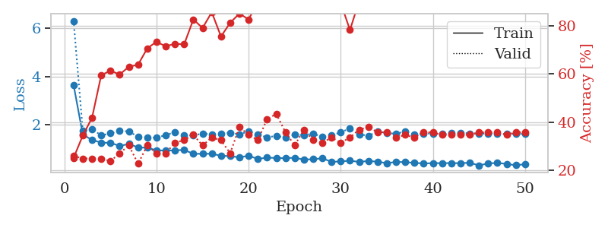
1.3513851943 | 1.4602215186 | 0.25 | 0.25 | 0.21068549156 | 25 | 25
1.354359917 | 1.4158993337 | 0.25543478261 | 0.21739130435 | 0.21210670471 | 25.543478261 | 21.739130435
1.2989221034 | 1.4375631084 | 0.25543478261 | 0.21739130435 | 0.21009254456 | 25.543478261 | 21.739130435
1.2778532557 | 1.3948397636 | 0.25543478261 | 0.21739130435 | 0.21052694321 | 25.543478261 | 21.739130435
1.2457609902 | 1.4399424066 | 0.24184782609 | 0.27173913043 | 0.21052336693 | 24.184782609 | 27.173913043
1.2176977785 | 1.4407851955 | 0.25543478261 | 0.21739130435 | 0.21418786049 | 25.543478261 | 21.739130435
1.2274458408 | 2.6168717198 | 0.25543478261 | 0.21739130435 | 0.21139097214 | 25.543478261 | 21.739130435
1.2515744282 | 2.7186461013 | 0.25543478261 | 0.21739130435 | 0.20934104919 | 25.543478261 | 21.739130435
1.1849589503 | 1.782315757 | 0.25543478261 | 0.21739130435 | 0.21163654327 | 25.543478261 | 21.739130435
1.1617156345 | 1.7725277776 | 0.25543478261 | 0.21739130435 | 0.21277832985 | 25.543478261 | 21.739130435
1.1668103959 | 2.8106117145 | 0.25543478261 | 0.21739130435 | 0.21243953705 | 25.543478261 | 21.739130435
1.2039492934 | 3.6132589319 | 0.25543478261 | 0.21739130435 | 0.21203136444 | 25.543478261 | 21.739130435
1.0629662223 | 4.1519113002 | 0.25543478261 | 0.21739130435 | 0.21177792549 | 25.543478261 | 21.739130435
1.1116751484 | 3.9293193195 | 0.25543478261 | 0.21739130435 | 0.21031093597 | 25.543478261 | 21.739130435
1.0076600495 | 4.3702672668 | 0.25543478261 | 0.21739130435 | 0.21005296707 | 25.543478261 | 21.739130435
1.1476178921 | 3.0624532389 | 0.25543478261 | 0.21739130435 | 0.21054625511 | 25.543478261 | 21.739130435
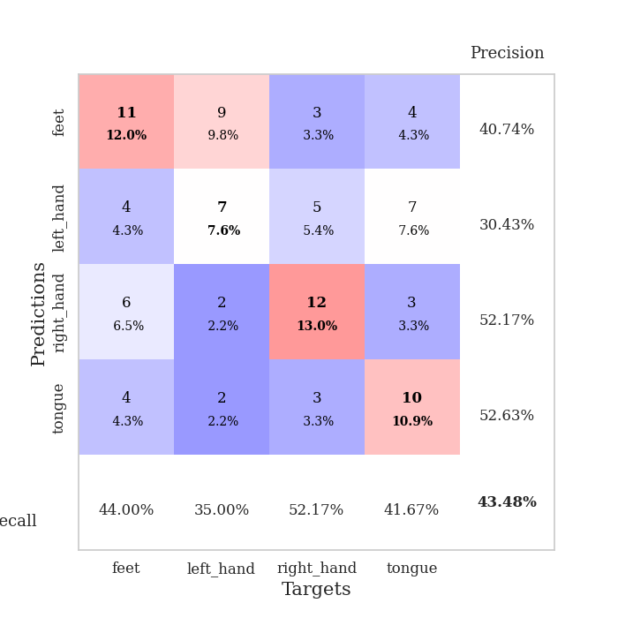
1.140026375 | 2.7430336579 | 0.25543478261 | 0.21739130435 | 0.20948719978 | 25.543478261 | 21.739130435
1.0939216225 | 2.4035289391 | 0.25543478261 | 0.21739130435 | 0.20915842056 | 25.543478261 | 21.739130435
1.125026353 | 1.826615064 | 0.25543478261 | 0.21739130435 | 0.21321463585 | 25.543478261 | 21.739130435
1.0874488509 | 2.4744346764 | 0.25543478261 | 0.21739130435 | 0.21269416809 | 25.543478261 | 21.739130435
1.0430506183 | 3.6784746336 | 0.25543478261 | 0.21739130435 | 0.21131277084 | 25.543478261 | 21.739130435
0.99073849554 | 2.8894002334 | 0.25543478261 | 0.21739130435 | 0.21116161346 | 25.543478261 | 21.739130435
0.9714533272 | 4.9703859246 | 0.25543478261 | 0.21739130435 | 0.20931577682 | 25.543478261 | 21.739130435
1.0071482321 | 4.0338439734 | 0.25543478261 | 0.21739130435 | 0.21082663536 | 25.543478261 | 21.739130435
0.93155827211 | 4.3983462997 | 0.25543478261 | 0.21739130435 | 0.21117424965 | 25.543478261 | 21.739130435
0.96576642472 | 4.215333441 | 0.25543478261 | 0.21739130435 | 0.21104550362 | 25.543478261 | 21.739130435
0.96378785631 | 2.3907633035 | 0.25543478261 | 0.21739130435 | 0.20918655396 | 25.543478261 | 21.739130435
0.96161858154 | 1.6809425976 | 0.25543478261 | 0.21739130435 | 0.21130156517 | 25.543478261 | 21.739130435
0.96476748456 | 3.2366443717 | 0.25543478261 | 0.21739130435 | 0.2101650238 | 25.543478261 | 21.739130435
0.90055673537 | 3.8558576936 | 0.25543478261 | 0.21739130435 | 0.21062779427 | 25.543478261 | 21.739130435
0.89319705963 | 3.5542299747 | 0.25543478261 | 0.21739130435 | 0.20622086525 | 25.543478261 | 21.739130435
0.93678444365 | 1.9915166627 | 0.25543478261 | 0.21739130435 | 0.20893263817 | 25.543478261 | 21.739130435
0.93734213839 | 2.1802039665 | 0.25543478261 | 0.21739130435 | 0.20909619331 | 25.543478261 | 21.739130435
0.91194313505 | 2.5216182108 | 0.25543478261 | 0.21739130435 | 0.20452618599 | 25.543478261 | 21.739130435
0.92282396814 | 2.8146380549 | 0.25543478261 | 0.21739130435 | 0.2116420269 | 25.543478261 | 21.739130435
0.94199728188 | 2.6864738775 | 0.25543478261 | 0.21739130435 | 0.21044588089 | 25.543478261 | 21.739130435
0.89738016802 | 2.5484172469 | 0.25543478261 | 0.21739130435 | 0.21249771118 | 25.543478261 | 21.739130435
0.85873706444 | 2.4515316072 | 0.25543478261 | 0.21739130435 | 0.21159934998 | 25.543478261 | 21.739130435
0.90261305674 | 2.1745082917 | 0.25543478261 | 0.21739130435 | 0.2095117569 | 25.543478261 | 21.739130435
0.86013111602 | 1.9412552688 | 0.25543478261 | 0.21739130435 | 0.20976257324 | 25.543478261 | 21.739130435
0.9187885782 | 1.805800977 | 0.25543478261 | 0.21739130435 | 0.20980405807 | 25.543478261 | 21.739130435
0.92244778768 | 1.6540451257 | 0.25543478261 | 0.21739130435 | 0.20888137817 | 25.543478261 | 21.739130435
0.88632201889 | 1.6781408683 | 0.25543478261 | 0.21739130435 | 0.21100187302 | 25.543478261 | 21.739130435
0.93572419104 | 1.6796732623 | 0.25543478261 | 0.21739130435 | 0.21001815796 | 25.543478261 | 21.739130435
0.90794339128 | 1.6916223972 | 0.25543478261 | 0.21739130435 | 0.21261429787 | 25.543478261 | 21.739130435
0.88448828459 | 1.6896687124 | 0.25543478261 | 0.21739130435 | 0.21083927155 | 25.543478261 | 21.739130435
0.9303408006 | 1.7047653354 | 0.25543478261 | 0.21739130435 | 0.20820260048 | 25.543478261 | 21.739130435
0.95478090255 | 1.7184242217 | 0.25543478261 | 0.21739130435 | 0.20902729034 | 25.543478261 | 21.739130435

Best Val accuracy is 0.2717391304347826 and Best test accuracy is 0.25862068965517243

Sheet3
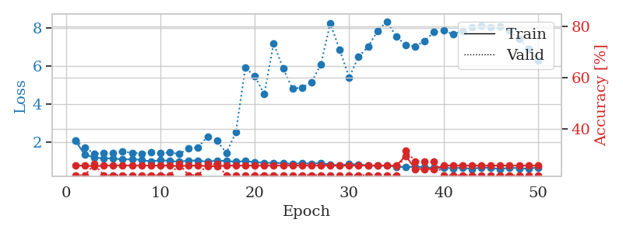
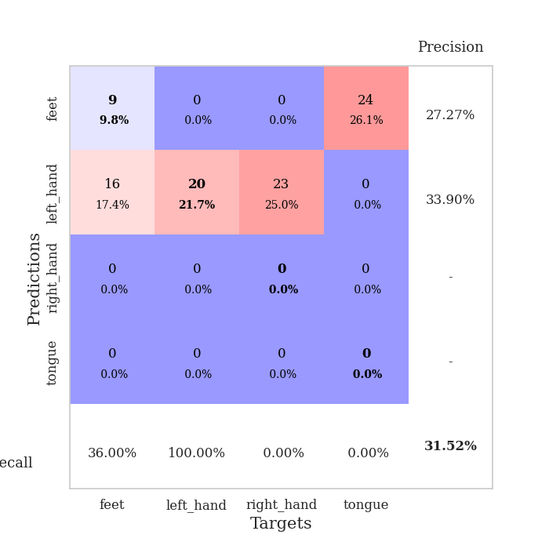
train_loss | valid_loss | train_accuracy | valid_accuracy | dur | train_misclass | valid_misclass
3.238640438 | 12.168922258 | 0.25 | 0.26086956522 | 0.084142923355 | 25 | 26.086956522
1.6915682762 | 4.681449434 | 0.27989130435 | 0.25 | 0.082561254501 | 27.989130435 | 25
1.4005311987 | 2.1192064026 | 0.42391304348 | 0.22826086957 | 0.082090854645 | 42.391304348 | 22.826086957
1.2650882006 | 1.8384722264 | 0.51086956522 | 0.28260869565 | 0.082188844681 | 51.086956522 | 28.260869565
1.232982905 | 1.7817217578 | 0.55706521739 | 0.23913043478 | 0.08225274086 | 55.706521739 | 23.913043478
1.1276831316 | 1.7979219893 | 0.57880434783 | 0.25 | 0.082268953323 | 57.880434783 | 25
1.114783839 | 1.7220520092 | 0.63586956522 | 0.22826086957 | 0.082035779953 | 63.586956522 | 22.826086957
1.0370875752 | 1.7070104558 | 0.64945652174 | 0.32608695652 | 0.082330226898 | 64.945652174 | 32.608695652
1.0134181406 | 1.7320033312 | 0.69836956522 | 0.22826086957 | 0.082478523254 | 69.836956522 | 22.826086957
1.0529115848 | 1.6690635474 | 0.72010869565 | 0.32608695652 | 0.081931114197 | 72.010869565 | 32.608695652
0.92682761213 | 1.7935794074 | 0.71467391304 | 0.29347826087 | 0.082377195358 | 71.467391304 | 29.347826087
0.92979855252 | 1.9092885256 | 0.67663043478 | 0.29347826087 | 0.082115888596 | 67.663043478 | 29.347826087
0.87040170379 | 1.8712077089 | 0.70652173913 | 0.28260869565 | 0.082289934158 | 70.652173913 | 28.260869565
0.8581363494 | 1.8670934387 | 0.75815217391 | 0.25 | 0.081936597824 | 75.815217391 | 25
0.83541036041 | 1.8340112645 | 0.79076086957 | 0.25 | 0.082046985626 | 79.076086957 | 25
0.78346408839 | 1.9271428222 | 0.77445652174 | 0.30434782609 | 0.08224439621 | 77.445652174 | 30.434782609
0.78096648792 | 1.8192681592 | 0.83967391304 | 0.3152173913 | 0.081938505173 | 83.967391304 | 31.52173913
0.7821351212 | 2.0077141731 | 0.6875 | 0.26086956522 | 0.082302808762 | 68.75 | 26.086956522
0.79274034241 | 2.0336819732 | 0.78532608696 | 0.28260869565 | 0.082080841064 | 78.532608696 | 28.260869565
0.7469897931 | 1.8657386044 | 0.80163043478 | 0.27173913043 | 0.081923246384 | 80.163043478 | 27.173913043
0.66322385487 | 2.3190628238 | 0.61956521739 | 0.26086956522 | 0.082055091858 | 61.956521739 | 26.086956522
0.68061673252 | 2.1143917623 | 0.76358695652 | 0.26086956522 | 0.081873178482 | 76.358695652 | 26.086956522
0.63495725264 | 2.2026907257 | 0.76086956522 | 0.29347826087 | 0.082315444946 | 76.086956522 | 29.347826087
0.66529908776 | 1.9652396441 | 0.85054347826 | 0.3152173913 | 0.082413673401 | 85.054347826 | 31.52173913
0.65835594224 | 2.1035695698 | 0.80434782609 | 0.26086956522 | 0.082330465317 | 80.434782609 | 26.086956522
0.62779034869 | 2.1133497902 | 0.85054347826 | 0.30434782609 | 0.082452058792 | 85.054347826 | 30.434782609
0.63203060951 | 2.1355412887 | 0.84239130435 | 0.3152173913 | 0.082405328751 | 84.239130435 | 31.52173913
0.61292687836 | 2.0169905424 | 0.875 | 0.29347826087 | 0.082421302795 | 87.5 | 29.347826087
0.63848995255 | 2.165832872 | 0.85054347826 | 0.23913043478 | 0.08252954483 | 85.054347826 | 23.913043478
0.60631959983 | 2.0930991328 | 0.88858695652 | 0.22826086957 | 0.082333803177 | 88.858695652 | 22.826086957
0.52796253562 | 2.2235077516 | 0.78804347826 | 0.23913043478 | 0.082477807999 | 78.804347826 | 23.913043478
0.51562435212 | 2.1513195038 | 0.85869565217 | 0.23913043478 | 0.082564592361 | 85.869565217 | 23.913043478
0.55139818269 | 2.2629599364 | 0.80434782609 | 0.29347826087 | 0.082740306854 | 80.434782609 | 29.347826087
0.55484698324 | 2.2277127815 | 0.90217391304 | 0.27173913043 | 0.082541227341 | 90.217391304 | 27.173913043
0.548263796 | 2.2760154838 | 0.83152173913 | 0.26086956522 | 0.082478523254 | 83.152173913 | 26.086956522
0.50990302148 | 2.2968884966 | 0.82880434783 | 0.26086956522 | 0.082838535309 | 82.880434783 | 26.086956522
0.46183856803 | 2.3043807797 | 0.85597826087 | 0.26086956522 | 0.082458257675 | 85.597826087 | 26.086956522
0.52126551776 | 2.3135847579 | 0.83695652174 | 0.23913043478 | 0.082543611526 | 83.695652174 | 23.913043478
0.54281797422 | 2.3057576988 | 0.86956521739 | 0.27173913043 | 0.082736253738 | 86.956521739 | 27.173913043
0.46656803981 | 2.3125929107 | 0.86956521739 | 0.26086956522 | 0.082540988922 | 86.956521739 | 26.086956522
0.48322947906 | 2.3104335847 | 0.8777173913 | 0.26086956522 | 0.085310220718 | 87.77173913 | 26.086956522
0.4250121 | 2.3082711697 | 0.88315217391 | 0.26086956522 | 0.085689306259 | 88.315217391 | 26.086956522
0.45888242838 | 2.3117617006 | 0.89402173913 | 0.28260869565 | 0.082846641541 | 89.402173913 | 28.260869565
0.43241416436 | 2.3395481732 | 0.89130434783 | 0.26086956522 | 0.082662582397 | 89.130434783 | 26.086956522
0.4899853536 | 2.3524777889 | 0.88586956522 | 0.27173913043 | 0.082556962967 | 88.586956522 | 27.173913043
0.50419051945 | 2.351330726 | 0.88858695652 | 0.26086956522 | 0.082750082016 | 88.858695652 | 26.086956522
0.53157549319 | 2.3462738369 | 0.89130434783 | 0.26086956522 | 0.082463264465 | 89.130434783 | 26.086956522
0.46902605243 | 2.3427879292 | 0.89402173913 | 0.26086956522 | 0.082612514496 | 89.402173913 | 26.086956522
0.49921604408 | 2.3406694661 | 0.89402173913 | 0.27173913043 | 0.08475446701 | 89.402173913 | 27.173913043
0.43686783897 | 2.3402426761 | 0.89673913043 | 0.28260869565 | 0.082720518112 | 89.673913043 | 28.260869565

Best Val accuracy is 0.32608695652173914 and Best test accuracy is 0.3275862068965517
train_loss | valid_loss | train_accuracy | valid_accuracy | dur | train_misclass | valid_misclass
3.6373843784 | 14.11516401 | 0.26086956522 | 0.27173913043 | 0.087417125702 | 26.086956522 | 27.173913043
1.6481126391 | 7.2379854451 | 0.27717391304 | 0.27173913043 | 0.080575942993 | 27.717391304 | 27.173913043
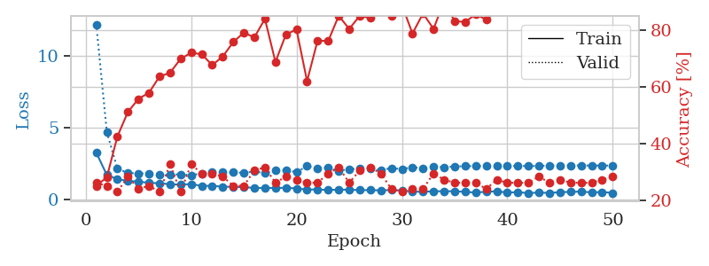
1.5080198568 | 2.2869436326 | 0.36684782609 | 0.28260869565 | 0.080428600311 | 36.684782609 | 28.260869565
1.3879565415 | 1.8757556521 | 0.51086956522 | 0.28260869565 | 0.079711198807 | 51.086956522 | 28.260869565
1.2616450864 | 1.7687802107 | 0.5597826087 | 0.26086956522 | 0.079905986786 | 55.97826087 | 26.086956522
1.1328844635 | 1.7129465704 | 0.64130434783 | 0.27173913043 | 0.079805850983 | 64.130434783 | 27.173913043
1.0796201385 | 1.7901602413 | 0.66032608696 | 0.23913043478 | 0.079609632492 | 66.032608696 | 23.913043478
1.0680270506 | 1.6550380043 | 0.73097826087 | 0.28260869565 | 0.079636573792 | 73.097826087 | 28.260869565
0.99205741675 | 1.6889784388 | 0.71195652174 | 0.30434782609 | 0.079586029053 | 71.195652174 | 30.434782609
0.99357606795 | 1.723889014 | 0.75 | 0.25 | 0.079775810242 | 75 | 25
0.89210933447 | 1.6734790387 | 0.80434782609 | 0.32608695652 | 0.079540967941 | 80.434782609 | 32.608695652
0.93138063731 | 1.7551604976 | 0.72554347826 | 0.32608695652 | 0.079902887344 | 72.554347826 | 32.608695652
0.8287779015 | 1.6934942422 | 0.78532608696 | 0.35869565217 | 0.0797290802 | 78.532608696 | 35.869565217
0.83175041105 | 1.6893023408 | 0.84239130435 | 0.33695652174 | 0.079870462418 | 84.239130435 | 33.695652174
0.80198779443 | 1.6907795875 | 0.84239130435 | 0.32608695652 | 0.079851865768 | 84.239130435 | 32.608695652
0.71119757061 | 1.7443191694 | 0.86684782609 | 0.32608695652 | 0.081326723099 | 86.684782609 | 32.608695652
0.72097630734 | 1.8229217322 | 0.84782608696 | 0.36956521739 | 0.080605268478 | 84.782608696 | 36.956521739
0.67432015098 | 1.8622116161 | 0.83423913043 | 0.35869565217 | 0.080235481262 | 83.423913043 | 35.869565217
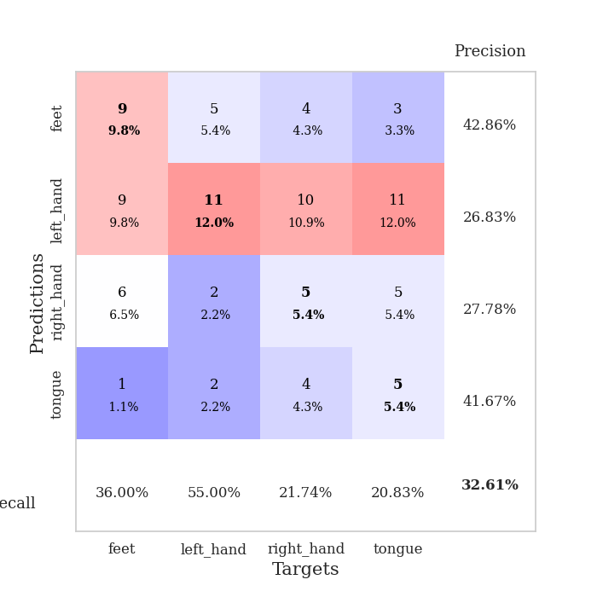
0.68243789025 | 1.8385986038 | 0.8125 | 0.32608695652 | 0.0799908638 | 81.25 | 32.608695652
0.69501587101 | 1.7695957733 | 0.88586956522 | 0.29347826087 | 0.079906225204 | 88.586956522 | 29.347826087
0.57516435048 | 1.7649899099 | 0.8777173913 | 0.35869565217 | 0.088829755783 | 87.77173913 | 35.869565217
0.59731159392 | 2.1186060491 | 0.82065217391 | 0.30434782609 | 0.084053277969 | 82.065217391 | 30.434782609
0.59077770814 | 1.8350335774 | 0.89402173913 | 0.3152173913 | 0.083409786224 | 89.402173913 | 31.52173913
0.59384927866 | 1.9241311446 | 0.86684782609 | 0.32608695652 | 0.082815170288 | 86.684782609 | 32.608695652
0.61870736143 | 1.8331289551 | 0.92663043478 | 0.34782608696 | 0.082696676254 | 92.663043478 | 34.782608696
0.53238640013 | 1.9054641464 | 0.88586956522 | 0.36956521739 | 0.082914829254 | 88.586956522 | 36.956521739
0.49284235809 | 1.9328426537 | 0.85054347826 | 0.34782608696 | 0.082831382751 | 85.054347826 | 34.782608696
0.53566918684 | 1.9654349659 | 0.92663043478 | 0.3152173913 | 0.083088874817 | 92.663043478 | 31.52173913
0.5210737301 | 1.9796869651 | 0.92391304348 | 0.30434782609 | 0.082883119583 | 92.391304348 | 30.434782609
0.48975819025 | 1.9465960834 | 0.875 | 0.35869565217 | 0.082835435867 | 87.5 | 35.869565217
0.52862263503 | 1.953427605 | 0.91304347826 | 0.32608695652 | 0.082823991776 | 91.304347826 | 32.608695652
0.50725657914 | 1.978584103 | 0.89673913043 | 0.3152173913 | 0.082902908325 | 89.673913043 | 31.52173913
0.39870449771 | 1.922183467 | 0.90760869565 | 0.32608695652 | 0.083008766174 | 90.760869565 | 32.608695652
0.42105195445 | 1.8926686049 | 0.91847826087 | 0.34782608696 | 0.083220243454 | 91.847826087 | 34.782608696
0.4629550654 | 1.97011066 | 0.88858695652 | 0.3152173913 | 0.082754611969 | 88.858695652 | 31.52173913
0.44371907737 | 1.9869638059 | 0.90760869565 | 0.32608695652 | 0.082839012146 | 90.760869565 | 32.608695652
0.40210657729 | 2.046733737 | 0.8777173913 | 0.30434782609 | 0.082821130753 | 87.77173913 | 30.434782609
0.43131371458 | 2.0092356049 | 0.92119565217 | 0.32608695652 | 0.082821846008 | 92.119565217 | 32.608695652
0.41930823352 | 2.0155641877 | 0.88586956522 | 0.32608695652 | 0.082819700241 | 88.586956522 | 32.608695652
0.42940626196 | 2.0386059025 | 0.90489130435 | 0.32608695652 | 0.083176374435 | 90.489130435 | 32.608695652
0.41725719234 | 1.9853947681 | 0.9347826087 | 0.32608695652 | 0.08284163475 | 93.47826087 | 32.608695652
0.40333774038 | 1.9802169748 | 0.9402173913 | 0.32608695652 | 0.08288526535 | 94.02173913 | 32.608695652
0.36084474688 | 2.0096984894 | 0.9375 | 0.32608695652 | 0.082914590836 | 93.75 | 32.608695652
0.39261400764 | 2.029480561 | 0.91847826087 | 0.32608695652 | 0.08317232132 | 91.847826087 | 32.608695652
0.40475628881 | 2.0161887459 | 0.92663043478 | 0.32608695652 | 0.082902669907 | 92.663043478 | 32.608695652
0.36643097517 | 2.0030049863 | 0.93206521739 | 0.3152173913 | 0.082827329636 | 93.206521739 | 31.52173913
0.35079049092 | 2.0032843144 | 0.9347826087 | 0.3152173913 | 0.083069324493 | 93.47826087 | 31.52173913
0.39612535484 | 2.0051453995 | 0.9347826087 | 0.3152173913 | 0.082894325256 | 93.47826087 | 31.52173913
0.37534081612 | 2.0045862405 | 0.9375 | 0.3152173913 | 0.083159923553 | 93.75 | 31.52173913
0.36886370636 | 2.0051609485 | 0.9375 | 0.30434782609 | 0.082953453064 | 93.75 | 30.434782609

Best Val accuracy is 0.3695652173913043 and Best test accuracy is 0.3275862068965517
train_loss | valid_loss | train_accuracy | valid_accuracy | dur | train_misclass | valid_misclass
2.0958696863 | 2.0907331031 | 0.25543478261 | 0.21739130435 | 0.20314621925 | 25.543478261 | 21.739130435
1.3514152765 | 1.720743511 | 0.25543478261 | 0.21739130435 | 0.21011257172 | 25.543478261 | 21.739130435
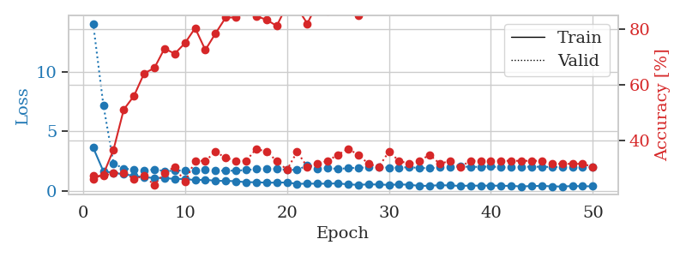
1.216004947 | 1.4214162982 | 0.2527173913 | 0.26086956522 | 0.21188235283 | 25.27173913 | 26.086956522
1.1577731604 | 1.4333988532 | 0.25543478261 | 0.21739130435 | 0.21229052544 | 25.543478261 | 21.739130435
1.166775579 | 1.462611696 | 0.25543478261 | 0.21739130435 | 0.20963811874 | 25.543478261 | 21.739130435
1.1016781304 | 1.5134933461 | 0.25543478261 | 0.21739130435 | 0.20947813988 | 25.543478261 | 21.739130435
1.1191554432 | 1.4621151841 | 0.25543478261 | 0.21739130435 | 0.21134901047 | 25.543478261 | 21.739130435
1.0831897129 | 1.4209989102 | 0.25543478261 | 0.21739130435 | 0.21129918098 | 25.543478261 | 21.739130435
1.0043488611 | 1.4827831465 | 0.25543478261 | 0.21739130435 | 0.21090769768 | 25.543478261 | 21.739130435
1.0772896176 | 1.4324358235 | 0.25543478261 | 0.21739130435 | 0.20921325684 | 25.543478261 | 21.739130435
1.0298024364 | 1.4703152905 | 0.25543478261 | 0.21739130435 | 0.21057128906 | 25.543478261 | 21.739130435
0.98612325347 | 1.3925634726 | 0.2527173913 | 0.26086956522 | 0.20964288712 | 25.27173913 | 26.086956522
1.0544810969 | 1.687620759 | 0.25543478261 | 0.21739130435 | 0.20927476883 | 25.543478261 | 21.739130435
1.0480417454 | 1.7394818223 | 0.25543478261 | 0.21739130435 | 0.21124505997 | 25.543478261 | 21.739130435
0.98508627259 | 2.3157301312 | 0.2527173913 | 0.26086956522 | 0.21217417717 | 25.27173913 | 26.086956522
1.0489732442 | 2.0838220845 | 0.2527173913 | 0.26086956522 | 0.21008110046 | 25.27173913 | 26.086956522
1.0213182465 | 1.4523927284 | 0.25543478261 | 0.21739130435 | 0.21204471588 | 25.543478261 | 21.739130435
0.98901380404 | 2.5324929279 | 0.25543478261 | 0.21739130435 | 0.21040320396 | 25.543478261 | 21.739130435
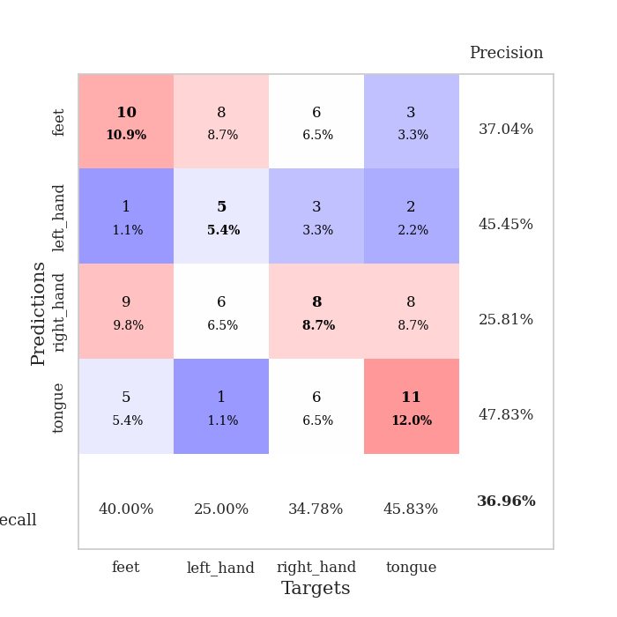
1.0211273561 | 5.9154231859 | 0.25543478261 | 0.21739130435 | 0.21072530746 | 25.543478261 | 21.739130435
0.96601909917 | 5.4722059706 | 0.25543478261 | 0.21739130435 | 0.21156716347 | 25.543478261 | 21.739130435
0.92980916604 | 4.5254003483 | 0.25543478261 | 0.21739130435 | 0.21020770073 | 25.543478261 | 21.739130435
0.93261210556 | 7.1929508085 | 0.25543478261 | 0.21739130435 | 0.20850920677 | 25.543478261 | 21.739130435
0.91091101325 | 5.8881936903 | 0.25543478261 | 0.21739130435 | 0.2100725174 | 25.543478261 | 21.739130435
0.87928332453 | 4.8114563693 | 0.25543478261 | 0.21739130435 | 0.21023964882 | 25.543478261 | 21.739130435
0.90998778136 | 4.8846481572 | 0.25543478261 | 0.21739130435 | 0.2104241848 | 25.543478261 | 21.739130435
0.89257364688 | 5.1361211694 | 0.25543478261 | 0.21739130435 | 0.21069788933 | 25.543478261 | 21.739130435
0.91576887214 | 6.0928627512 | 0.25543478261 | 0.21739130435 | 0.20759677887 | 25.543478261 | 21.739130435
0.84513572377 | 8.2399025378 | 0.25543478261 | 0.21739130435 | 0.21280217171 | 25.543478261 | 21.739130435
0.78871761586 | 6.8490614891 | 0.25543478261 | 0.21739130435 | 0.20689105988 | 25.543478261 | 21.739130435
0.86858204007 | 5.4097005388 | 0.25543478261 | 0.21739130435 | 0.20779109001 | 25.543478261 | 21.739130435
0.84931190636 | 6.4976507062 | 0.25543478261 | 0.21739130435 | 0.21180462837 | 25.543478261 | 21.739130435
0.7931447664 | 7.012971961 | 0.25543478261 | 0.21739130435 | 0.2103407383 | 25.543478261 | 21.739130435
0.78217648035 | 7.8338839075 | 0.25543478261 | 0.21739130435 | 0.2098441124 | 25.543478261 | 21.739130435
0.78311376986 | 8.3479069005 | 0.25543478261 | 0.21739130435 | 0.21152377129 | 25.543478261 | 21.739130435
0.72455186948 | 7.5475584528 | 0.25543478261 | 0.21739130435 | 0.20896887779 | 25.543478261 | 21.739130435
0.70578105035 | 7.1023595229 | 0.29347826087 | 0.3152173913 | 0.21066713333 | 29.347826087 | 31.52173913
0.7280186039 | 7.035066729 | 0.24184782609 | 0.27173913043 | 0.20832371712 | 24.184782609 | 27.173913043
0.69859755687 | 7.3298230379 | 0.24184782609 | 0.27173913043 | 0.21138429642 | 24.184782609 | 27.173913043
0.65489092599 | 7.7920920745 | 0.24184782609 | 0.27173913043 | 0.21147227287 | 24.184782609 | 27.173913043
0.67453357966 | 7.871908644 | 0.25543478261 | 0.21739130435 | 0.21092295647 | 25.543478261 | 21.739130435
0.64226398002 | 7.6767015872 | 0.25543478261 | 0.21739130435 | 0.21139526367 | 25.543478261 | 21.739130435
0.6796515895 | 7.8406314435 | 0.25543478261 | 0.21739130435 | 0.20748329163 | 25.543478261 | 21.739130435
0.60974712864 | 8.0596554383 | 0.25543478261 | 0.21739130435 | 0.2109439373 | 25.543478261 | 21.739130435
0.69223840211 | 8.1195590807 | 0.25543478261 | 0.21739130435 | 0.21022224426 | 25.543478261 | 21.739130435
0.66584994352 | 8.0587887142 | 0.25543478261 | 0.21739130435 | 0.2069811821 | 25.543478261 | 21.739130435
0.60130549903 | 8.0813242456 | 0.25543478261 | 0.21739130435 | 0.20874333382 | 25.543478261 | 21.739130435
0.67521391096 | 7.8803042951 | 0.25543478261 | 0.21739130435 | 0.21146512032 | 25.543478261 | 21.739130435
0.64790071612 | 7.4374629726 | 0.25543478261 | 0.21739130435 | 0.21127271652 | 25.543478261 | 21.739130435
0.62590352867 | 6.9149226313 | 0.25543478261 | 0.21739130435 | 0.21308922768 | 25.543478261 | 21.739130435
0.69007041532 | 6.3082893413 | 0.25543478261 | 0.21739130435 | 0.20808362961 | 25.543478261 | 21.739130435

Best Val accuracy is 0.31521739130434784 and Best test accuracy is 0.3448275862068966

Sheet4
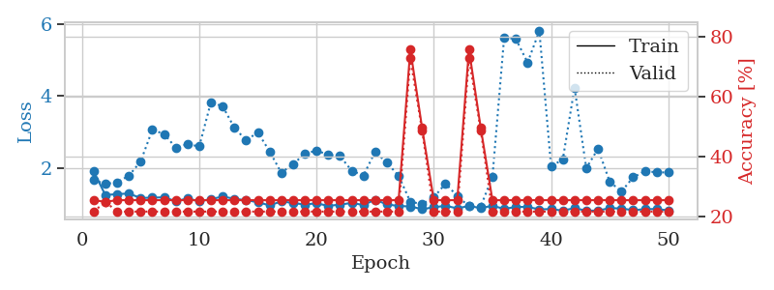
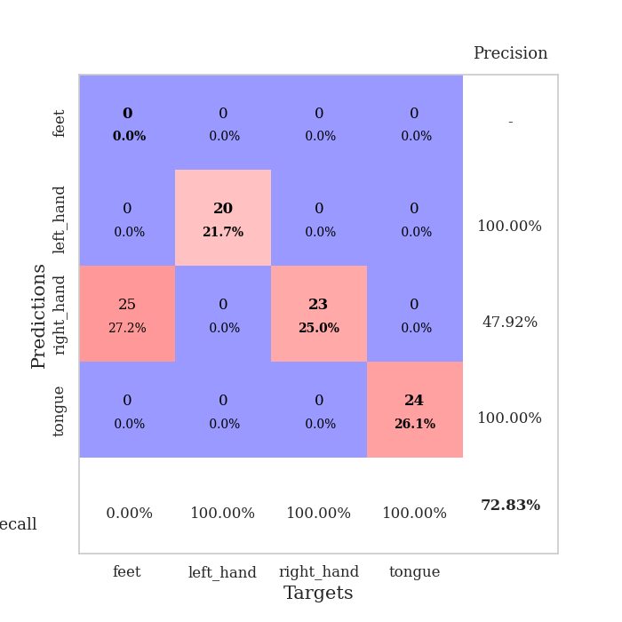
train_loss | valid_loss | train_accuracy | valid_accuracy | dur | train_misclass | valid_misclass
3.4478209122 | 2.2934250728 | 0.27989130435 | 0.27173913043 | 0.083937644958 | 27.989130435 | 27.173913043
1.5355689992 | 1.7857126101 | 0.32336956522 | 0.29347826087 | 0.082499980927 | 32.336956522 | 29.347826087
1.4498400947 | 1.9115463806 | 0.36141304348 | 0.23913043478 | 0.082321166992 | 36.141304348 | 23.913043478
1.2959580655 | 1.8055758165 | 0.52445652174 | 0.27173913043 | 0.081995248795 | 52.445652174 | 27.173913043
1.2151091565 | 1.7042590432 | 0.55706521739 | 0.27173913043 | 0.081961393356 | 55.706521739 | 27.173913043
1.1959016427 | 1.7061314376 | 0.59239130435 | 0.27173913043 | 0.082401037216 | 59.239130435 | 27.173913043
1.1361533533 | 1.6625555598 | 0.60326086957 | 0.26086956522 | 0.084210157394 | 60.326086957 | 26.086956522
1.1046512775 | 1.5344543716 | 0.6277173913 | 0.27173913043 | 0.081960439682 | 62.77173913 | 27.173913043
1.0631529093 | 1.5272154186 | 0.67391304348 | 0.3152173913 | 0.08197760582 | 67.391304348 | 31.52173913
1.0220324086 | 1.5988392726 | 0.69293478261 | 0.23913043478 | 0.082206249237 | 69.293478261 | 23.913043478
0.93914031464 | 1.6026179272 | 0.70380434783 | 0.29347826087 | 0.082189559937 | 70.380434783 | 29.347826087
0.88191681582 | 1.760007765 | 0.72010869565 | 0.26086956522 | 0.082329034805 | 72.010869565 | 26.086956522
0.93274674727 | 1.7687458059 | 0.69836956522 | 0.23913043478 | 0.081866264343 | 69.836956522 | 23.913043478
0.86059983139 | 1.6594680392 | 0.72554347826 | 0.27173913043 | 0.082046747208 | 72.554347826 | 27.173913043
0.84733420351 | 1.7003903078 | 0.73641304348 | 0.28260869565 | 0.082238435745 | 73.641304348 | 28.260869565
0.81133354747 | 1.6419824051 | 0.79619565217 | 0.3152173913 | 0.082289457321 | 79.619565217 | 31.52173913
0.76253717101 | 1.5808930345 | 0.79619565217 | 0.34782608696 | 0.082070827484 | 79.619565217 | 34.782608696
0.81128654791 | 1.7034384738 | 0.79619565217 | 0.3152173913 | 0.082517623901 | 79.619565217 | 31.52173913
0.75480756682 | 1.8064867465 | 0.76358695652 | 0.30434782609 | 0.082101583481 | 76.358695652 | 30.434782609
0.71949329454 | 1.6932380148 | 0.86141304348 | 0.3152173913 | 0.082212686539 | 86.141304348 | 31.52173913
0.65029925626 | 1.8775454086 | 0.80706521739 | 0.32608695652 | 0.082124948502 | 80.706521739 | 32.608695652
0.70616089909 | 1.7532004118 | 0.76358695652 | 0.28260869565 | 0.082094430923 | 76.358695652 | 28.260869565
0.65668579806 | 1.5886800548 | 0.875 | 0.3152173913 | 0.082038640976 | 87.5 | 31.52173913
0.64349403589 | 1.5865070302 | 0.90217391304 | 0.33695652174 | 0.08202791214 | 90.217391304 | 33.695652174
0.65264382829 | 1.6587425315 | 0.88043478261 | 0.34782608696 | 0.082148551941 | 88.043478261 | 34.782608696
0.60005365118 | 1.853228201 | 0.76902173913 | 0.27173913043 | 0.082181930542 | 76.902173913 | 27.173913043
0.5595780002 | 1.7306318231 | 0.88858695652 | 0.33695652174 | 0.082297325134 | 88.858695652 | 33.695652174
0.504705972 | 1.8498808405 | 0.79891304348 | 0.28260869565 | 0.081986427307 | 79.891304348 | 28.260869565
0.52327636532 | 1.687786605 | 0.91032608696 | 0.36956521739 | 0.082028388977 | 91.032608696 | 36.956521739
0.49324551873 | 1.9338189001 | 0.82065217391 | 0.3152173913 | 0.082437515259 | 82.065217391 | 31.52173913
0.47292717255 | 1.8957002578 | 0.83967391304 | 0.3152173913 | 0.082148551941 | 83.967391304 | 31.52173913
0.47103355631 | 2.006144534 | 0.80706521739 | 0.28260869565 | 0.082098960876 | 80.706521739 | 28.260869565
0.45172880201 | 1.7541392368 | 0.94836956522 | 0.38043478261 | 0.082188367844 | 94.836956522 | 38.043478261
0.51146341731 | 1.9665777994 | 0.84510869565 | 0.30434782609 | 0.082287311554 | 84.510869565 | 30.434782609
0.47304206763 | 1.8827783699 | 0.8722826087 | 0.33695652174 | 0.082287311554 | 87.22826087 | 33.695652174
0.45361743997 | 1.8634276597 | 0.88586956522 | 0.32608695652 | 0.082036495209 | 88.586956522 | 32.608695652
0.42788472966 | 1.8238686427 | 0.90760869565 | 0.33695652174 | 0.082023620605 | 90.760869565 | 33.695652174
0.41448476392 | 1.916619249 | 0.86684782609 | 0.29347826087 | 0.082161188126 | 86.684782609 | 29.347826087
0.39139641757 | 1.9350910705 | 0.8777173913 | 0.32608695652 | 0.082109212875 | 87.77173913 | 32.608695652
0.44928704008 | 2.0094411891 | 0.85326086957 | 0.30434782609 | 0.082112073898 | 85.326086957 | 30.434782609
0.44084988275 | 2.005353741 | 0.85054347826 | 0.3152173913 | 0.08206820488 | 85.054347826 | 31.52173913
0.43826565924 | 1.9969460757 | 0.85054347826 | 0.32608695652 | 0.082208871841 | 85.054347826 | 32.608695652
0.41173174653 | 2.0326611996 | 0.83695652174 | 0.29347826087 | 0.082126617432 | 83.695652174 | 29.347826087
0.39075685843 | 2.0093787546 | 0.86141304348 | 0.32608695652 | 0.083729982376 | 86.141304348 | 32.608695652
0.37947896058 | 1.9457138207 | 0.90217391304 | 0.32608695652 | 0.083451747894 | 90.217391304 | 32.608695652
0.45415578653 | 1.9260852233 | 0.91032608696 | 0.33695652174 | 0.083063602448 | 91.032608696 | 33.695652174
0.4630195045 | 1.9103961872 | 0.91576086957 | 0.33695652174 | 0.082303524017 | 91.576086957 | 33.695652174
0.3308602037 | 1.9058030947 | 0.92391304348 | 0.33695652174 | 0.082580804825 | 92.391304348 | 33.695652174
0.40670045627 | 1.9018500162 | 0.92391304348 | 0.33695652174 | 0.082357645035 | 92.391304348 | 33.695652174
0.39812847324 | 1.8984058422 | 0.92934782609 | 0.33695652174 | 0.082988977432 | 92.934782609 | 33.695652174

Best Val accuracy is 0.3804347826086957 and Best test accuracy is 0.3448275862068966
train_loss | valid_loss | train_accuracy | valid_accuracy | dur | train_misclass | valid_misclass
3.5371915672 | 2.6377616862 | 0.2527173913 | 0.26086956522 | 0.085235834122 | 25.27173913 | 26.086956522
1.5232492323 | 1.4682534726 | 0.32608695652 | 0.25 | 0.082552909851 | 32.608695652 | 25
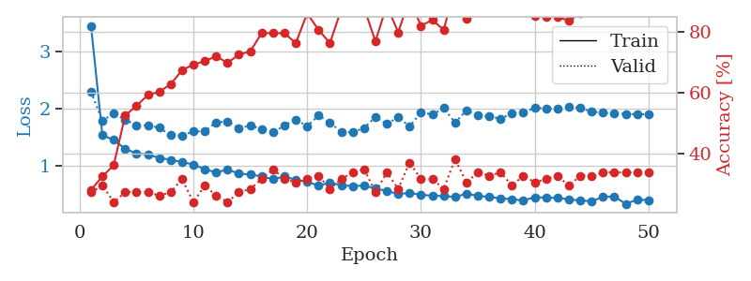
1.3793183876 | 1.9829369835 | 0.27989130435 | 0.30434782609 | 0.082138538361 | 27.989130435 | 30.434782609
1.2807871673 | 1.5328488609 | 0.52717391304 | 0.20652173913 | 0.082722902298 | 52.717391304 | 20.652173913
1.2421880287 | 1.8911979872 | 0.4972826087 | 0.19565217391 | 0.082793474197 | 49.72826087 | 19.565217391
1.2844815151 | 1.7926601482 | 0.57608695652 | 0.23913043478 | 0.08256316185 | 57.608695652 | 23.913043478
1.1194045751 | 1.6746033534 | 0.61684782609 | 0.20652173913 | 0.082846641541 | 61.684782609 | 20.652173913
1.0670058157 | 1.6823216314 | 0.67391304348 | 0.22826086957 | 0.082811832428 | 67.391304348 | 22.826086957
1.0625425888 | 1.7699720186 | 0.66847826087 | 0.21739130435 | 0.082633733749 | 66.847826087 | 21.739130435
0.96980488559 | 1.7325778681 | 0.6847826087 | 0.23913043478 | 0.08279299736 | 68.47826087 | 23.913043478
0.88587290567 | 1.8970238333 | 0.64402173913 | 0.29347826087 | 0.082722425461 | 64.402173913 | 29.347826087
0.86108837957 | 1.8922680357 | 0.72826086957 | 0.28260869565 | 0.082808971405 | 72.826086957 | 28.260869565
0.87143762215 | 1.9827408687 | 0.79619565217 | 0.25 | 0.085280656815 | 79.619565217 | 25
0.82230374865 | 1.8170003476 | 0.79619565217 | 0.28260869565 | 0.084542274475 | 79.619565217 | 28.260869565
0.78591355422 | 1.9044528837 | 0.82065217391 | 0.27173913043 | 0.083638906479 | 82.065217391 | 27.173913043
0.77388986816 | 1.8204361719 | 0.84782608696 | 0.26086956522 | 0.083057880402 | 84.782608696 | 26.086956522
0.72735629263 | 1.9086662168 | 0.84510869565 | 0.3152173913 | 0.083117246628 | 84.510869565 | 31.52173913
0.61619846717 | 1.93160126 | 0.86413043478 | 0.30434782609 | 0.083115577698 | 86.413043478 | 30.434782609
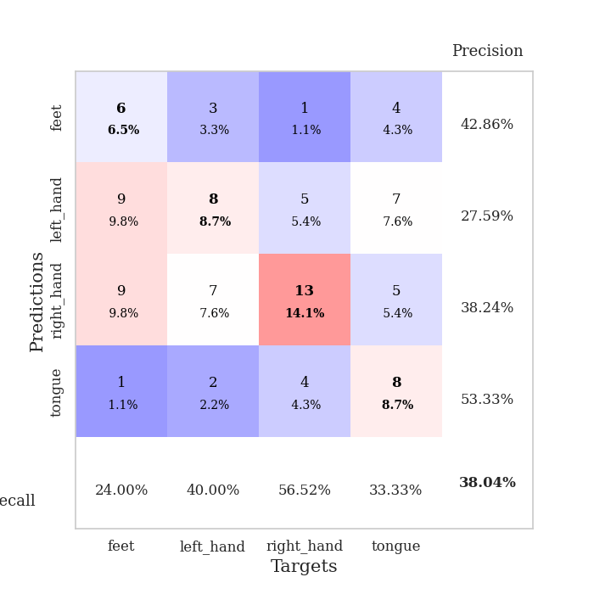
0.67432534565 | 1.8952274944 | 0.83423913043 | 0.32608695652 | 0.083006858826 | 83.423913043 | 32.608695652
0.56497841426 | 2.0208867581 | 0.85597826087 | 0.34782608696 | 0.083417415619 | 85.597826087 | 34.782608696
0.65864847795 | 2.0311284895 | 0.86956521739 | 0.28260869565 | 0.083134889603 | 86.956521739 | 28.260869565
0.61006078254 | 2.0012686304 | 0.86141304348 | 0.29347826087 | 0.083073854446 | 86.141304348 | 29.347826087
0.55903342625 | 2.0348334883 | 0.8097826087 | 0.26086956522 | 0.082839012146 | 80.97826087 | 26.086956522
0.50515917656 | 2.1331872111 | 0.88315217391 | 0.34782608696 | 0.083202600479 | 88.315217391 | 34.782608696
0.55505965844 | 2.0293115481 | 0.89673913043 | 0.28260869565 | 0.083206653595 | 89.673913043 | 28.260869565
0.5150776661 | 2.0672390098 | 0.875 | 0.29347826087 | 0.083023548126 | 87.5 | 29.347826087
0.49868319086 | 2.026821577 | 0.84782608696 | 0.30434782609 | 0.083542346954 | 84.782608696 | 30.434782609
0.50821148766 | 2.1663970999 | 0.8152173913 | 0.29347826087 | 0.082809686661 | 81.52173913 | 29.347826087
0.45073208602 | 2.1881517068 | 0.83695652174 | 0.29347826087 | 0.083211421967 | 83.695652174 | 29.347826087
0.44401873907 | 2.1219875502 | 0.89130434783 | 0.3152173913 | 0.082786798477 | 89.130434783 | 31.52173913
0.42227709423 | 2.1310847272 | 0.95652173913 | 0.29347826087 | 0.082989692688 | 95.652173913 | 29.347826087
0.40392043539 | 2.1801792072 | 0.92934782609 | 0.28260869565 | 0.08354473114 | 92.934782609 | 28.260869565
0.42096114547 | 2.1835024461 | 0.90217391304 | 0.27173913043 | 0.082938909531 | 90.217391304 | 27.173913043
0.37056080835 | 2.2175776492 | 0.92663043478 | 0.28260869565 | 0.08283996582 | 92.663043478 | 28.260869565
0.39053643268 | 2.2686527035 | 0.91032608696 | 0.28260869565 | 0.083355426788 | 91.032608696 | 28.260869565
0.38631607916 | 2.249027247 | 0.9375 | 0.29347826087 | 0.083340167999 | 93.75 | 29.347826087
0.38831235209 | 2.2098799011 | 0.92391304348 | 0.30434782609 | 0.083193302155 | 92.391304348 | 30.434782609
0.39769603701 | 2.3155684886 | 0.89945652174 | 0.29347826087 | 0.087504386902 | 89.945652174 | 29.347826087
0.40242628235 | 2.3561790456 | 0.88315217391 | 0.29347826087 | 0.082947969437 | 88.315217391 | 29.347826087
0.35529108605 | 2.3246257201 | 0.90489130435 | 0.29347826087 | 0.083226442337 | 90.489130435 | 29.347826087
0.36110486479 | 2.3307630912 | 0.91032608696 | 0.28260869565 | 0.083283901215 | 91.032608696 | 28.260869565
0.32389584313 | 2.334954324 | 0.92119565217 | 0.28260869565 | 0.083283424377 | 92.119565217 | 28.260869565
0.35343138906 | 2.36086112 | 0.91304347826 | 0.29347826087 | 0.083117485046 | 91.304347826 | 29.347826087
0.32475788891 | 2.3627937721 | 0.90489130435 | 0.29347826087 | 0.083235025406 | 90.489130435 | 29.347826087
0.39508582522 | 2.3712768347 | 0.90489130435 | 0.29347826087 | 0.083215713501 | 90.489130435 | 29.347826087
0.35369901424 | 2.3712160017 | 0.90489130435 | 0.29347826087 | 0.083225727081 | 90.489130435 | 29.347826087
0.41902491386 | 2.3681369864 | 0.91032608696 | 0.29347826087 | 0.083441019058 | 91.032608696 | 29.347826087
0.34244673991 | 2.3680146881 | 0.91304347826 | 0.29347826087 | 0.083093881607 | 91.304347826 | 29.347826087
0.34817229406 | 2.3670695813 | 0.91576086957 | 0.29347826087 | 0.08286190033 | 91.576086957 | 29.347826087
0.3550016122 | 2.3645872448 | 0.92119565217 | 0.29347826087 | 0.083005905151 | 92.119565217 | 29.347826087

Best Val accuracy is 0.34782608695652173 and Best test accuracy is 0.3275862068965517
train_loss | valid_loss | train_accuracy | valid_accuracy | dur | train_misclass | valid_misclass
1.8968303048 | 1.6608392726 | 0.25543478261 | 0.21739130435 | 0.20799255371 | 25.543478261 | 21.739130435
1.2405773116 | 1.5524225805 | 0.25 | 0.25 | 0.20839333534 | 25 | 25
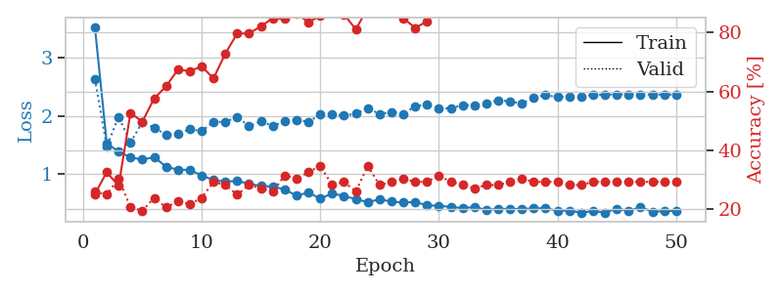
1.2705626799 | 1.594993441 | 0.25543478261 | 0.21739130435 | 0.21244549751 | 25.543478261 | 21.739130435
1.2826808225 | 1.7794496909 | 0.25543478261 | 0.21739130435 | 0.21239924431 | 25.543478261 | 21.739130435
1.1608964568 | 2.1727216555 | 0.25543478261 | 0.21739130435 | 0.20854854584 | 25.543478261 | 21.739130435
1.1690884155 | 3.0529316612 | 0.25543478261 | 0.21739130435 | 0.21007561684 | 25.543478261 | 21.739130435
1.1801431179 | 2.9416071332 | 0.25543478261 | 0.21739130435 | 0.21042203903 | 25.543478261 | 21.739130435
1.0712259852 | 2.5613216836 | 0.25543478261 | 0.21739130435 | 0.20909261703 | 25.543478261 | 21.739130435
1.1479877078 | 2.6569272746 | 0.25543478261 | 0.21739130435 | 0.21172833443 | 25.543478261 | 21.739130435
1.0687364703 | 2.5937194513 | 0.25543478261 | 0.21739130435 | 0.21203541756 | 25.543478261 | 21.739130435
1.1275073523 | 3.8252794328 | 0.25543478261 | 0.21739130435 | 0.20998692513 | 25.543478261 | 21.739130435
1.2005090921 | 3.7079745583 | 0.25543478261 | 0.21739130435 | 0.21261620522 | 25.543478261 | 21.739130435
1.1381144575 | 3.1126006997 | 0.25543478261 | 0.21739130435 | 0.21123528481 | 25.543478261 | 21.739130435
1.0978745144 | 2.7647953033 | 0.25543478261 | 0.21739130435 | 0.20755791664 | 25.543478261 | 21.739130435
1.043094876 | 2.9839834441 | 0.25543478261 | 0.21739130435 | 0.21161675453 | 25.543478261 | 21.739130435
0.95592375683 | 2.456012249 | 0.25543478261 | 0.21739130435 | 0.20910382271 | 25.543478261 | 21.739130435
1.0652028659 | 1.8599068237 | 0.25543478261 | 0.21739130435 | 0.21020245552 | 25.543478261 | 21.739130435
1.021043254 | 2.1027118538 | 0.25543478261 | 0.21739130435 | 0.2110209465 | 25.543478261 | 21.739130435
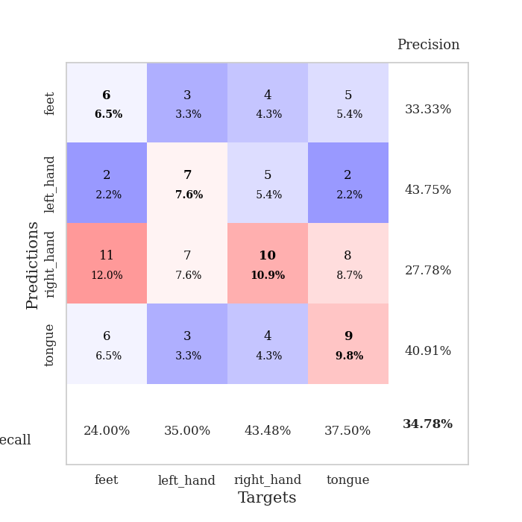
0.97995471436 | 2.3876203558 | 0.25543478261 | 0.21739130435 | 0.20998287201 | 25.543478261 | 21.739130435
1.0126347205 | 2.481302562 | 0.25543478261 | 0.21739130435 | 0.20889735222 | 25.543478261 | 21.739130435
0.9419298172 | 2.3609282659 | 0.25543478261 | 0.21739130435 | 0.20935082436 | 25.543478261 | 21.739130435
0.97600654545 | 2.3263074522 | 0.25543478261 | 0.21739130435 | 0.21148204803 | 25.543478261 | 21.739130435
1.0238139267 | 1.91840517 | 0.25543478261 | 0.21739130435 | 0.2129175663 | 25.543478261 | 21.739130435
0.96540524649 | 1.7838011565 | 0.25543478261 | 0.21739130435 | 0.21014475822 | 25.543478261 | 21.739130435
1.1117802936 | 2.4468244988 | 0.25543478261 | 0.21739130435 | 0.21116375923 | 25.543478261 | 21.739130435
0.98300630891 | 2.1394814719 | 0.25543478261 | 0.21739130435 | 0.20947384834 | 25.543478261 | 21.739130435
0.93738361027 | 1.7787823729 | 0.25543478261 | 0.21739130435 | 0.21327567101 | 25.543478261 | 21.739130435
0.92617251303 | 1.0576332833 | 0.75815217391 | 0.72826086957 | 0.20693659782 | 75.815217391 | 72.826086957
0.8496135253 | 0.98824332071 | 0.4972826087 | 0.48913043478 | 0.21365070343 | 49.72826087 | 48.913043478
0.90152467593 | 1.1789446758 | 0.25543478261 | 0.21739130435 | 0.21338224411 | 25.543478261 | 21.739130435
0.9444544419 | 1.5597451096 | 0.25543478261 | 0.21739130435 | 0.21169090271 | 25.543478261 | 21.739130435
0.87163650212 | 1.2161909549 | 0.25543478261 | 0.21739130435 | 0.21080756187 | 25.543478261 | 21.739130435
0.93890027637 | 0.92754822451 | 0.75815217391 | 0.72826086957 | 0.21051287651 | 75.815217391 | 72.826086957
0.87940270486 | 0.92454075813 | 0.4972826087 | 0.48913043478 | 0.21063303947 | 49.72826087 | 48.913043478
0.94475424808 | 1.7449432871 | 0.25543478261 | 0.21739130435 | 0.21053361893 | 25.543478261 | 21.739130435
0.85756981891 | 5.6274988755 | 0.25543478261 | 0.21739130435 | 0.21121287346 | 25.543478261 | 21.739130435
0.91243946811 | 5.5774178505 | 0.25543478261 | 0.21739130435 | 0.21007490158 | 25.543478261 | 21.739130435
0.91187091755 | 4.9259271622 | 0.25543478261 | 0.21739130435 | 0.2115020752 | 25.543478261 | 21.739130435
0.84382034385 | 5.8043345783 | 0.25543478261 | 0.21739130435 | 0.21370005608 | 25.543478261 | 21.739130435
0.85214360512 | 2.0394585755 | 0.25543478261 | 0.21739130435 | 0.21047997475 | 25.543478261 | 21.739130435
0.8090659665 | 2.2327637569 | 0.25543478261 | 0.21739130435 | 0.21126461029 | 25.543478261 | 21.739130435
0.87907782845 | 4.2280262035 | 0.25543478261 | 0.21739130435 | 0.21087312698 | 25.543478261 | 21.739130435
0.80723058659 | 1.9882214069 | 0.25543478261 | 0.21739130435 | 0.21160316467 | 25.543478261 | 21.739130435
0.80997207631 | 2.5275254872 | 0.25543478261 | 0.21739130435 | 0.21124601364 | 25.543478261 | 21.739130435
0.87798954611 | 1.615016025 | 0.25543478261 | 0.21739130435 | 0.21006774902 | 25.543478261 | 21.739130435
0.86933080528 | 1.3385495569 | 0.25543478261 | 0.21739130435 | 0.21050143242 | 25.543478261 | 21.739130435
0.82062886331 | 1.7367417242 | 0.25543478261 | 0.21739130435 | 0.21000576019 | 25.543478261 | 21.739130435
0.85020897959 | 1.9018834985 | 0.25543478261 | 0.21739130435 | 0.21041679382 | 25.543478261 | 21.739130435
0.85340010861 | 1.8777118351 | 0.25543478261 | 0.21739130435 | 0.20918083191 | 25.543478261 | 21.739130435
0.8159571005 | 1.8676972441 | 0.25543478261 | 0.21739130435 | 0.21023035049 | 25.543478261 | 21.739130435

Best Val accuracy is 0.7282608695652174 and Best test accuracy is 0.7413793103448276

Sheet5
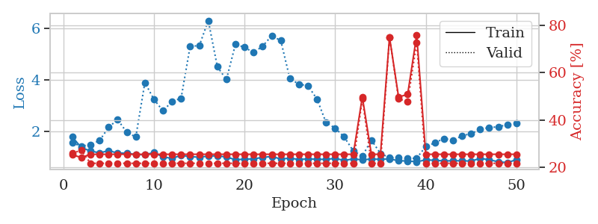
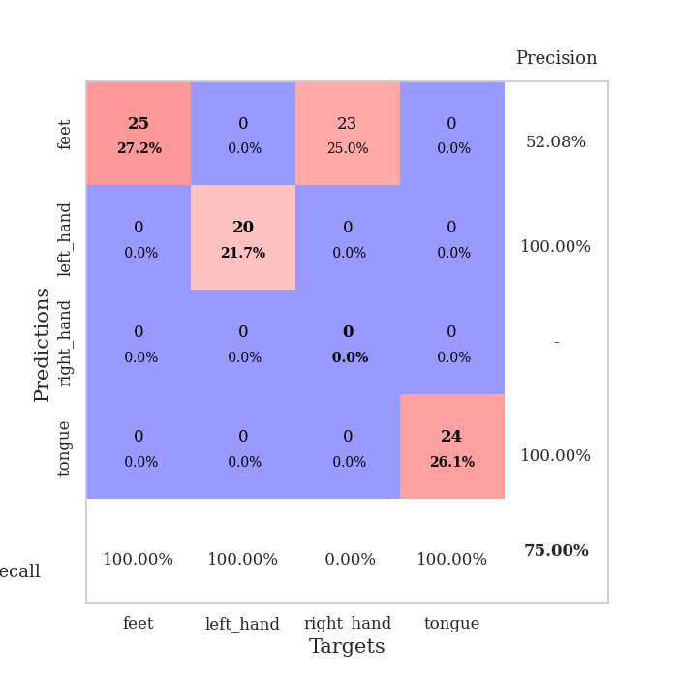
train_loss | valid_loss | train_accuracy | valid_accuracy | dur | train_misclass | valid_misclass
3.8361008375 | 9.3191736885 | 0.2527173913 | 0.26086956522 | 0.085995674133 | 25.27173913 | 26.086956522
1.8406002055 | 8.8557047637 | 0.2527173913 | 0.26086956522 | 0.083082437515 | 25.27173913 | 26.086956522
1.6266377853 | 2.8745983995 | 0.27989130435 | 0.26086956522 | 0.082310914993 | 27.989130435 | 26.086956522
1.3626173009 | 3.2332296682 | 0.26630434783 | 0.26086956522 | 0.082117080688 | 26.630434783 | 26.086956522
1.2624161839 | 2.3552959795 | 0.34782608696 | 0.27173913043 | 0.082375526428 | 34.782608696 | 27.173913043
1.1799457177 | 2.1861492966 | 0.3777173913 | 0.26086956522 | 0.082403421402 | 37.77173913 | 26.086956522
1.1491788678 | 1.8773778781 | 0.58152173913 | 0.21739130435 | 0.082311630249 | 58.152173913 | 21.739130435
1.0842017143 | 1.8226716985 | 0.61956521739 | 0.21739130435 | 0.082243919373 | 61.956521739 | 21.739130435
1.0042227481 | 1.7792330669 | 0.71195652174 | 0.23913043478 | 0.082678556442 | 71.195652174 | 23.913043478
1.0142561664 | 1.7927184105 | 0.70923913043 | 0.21739130435 | 0.08286857605 | 70.923913043 | 21.739130435
0.93687322088 | 1.8579667703 | 0.66847826087 | 0.1847826087 | 0.082649946213 | 66.847826087 | 18.47826087
0.91676688453 | 1.8600074986 | 0.71739130435 | 0.22826086957 | 0.082456827164 | 71.739130435 | 22.826086957
0.89543277284 | 1.9399499012 | 0.74456521739 | 0.21739130435 | 0.0825715065 | 74.456521739 | 21.739130435
0.86578449477 | 1.925563465 | 0.76086956522 | 0.26086956522 | 0.082350492477 | 76.086956522 | 26.086956522
0.85083558767 | 1.8772705482 | 0.74184782609 | 0.28260869565 | 0.082357406616 | 74.184782609 | 28.260869565
0.77380440028 | 1.9292052984 | 0.7527173913 | 0.26086956522 | 0.082695484161 | 75.27173913 | 26.086956522
0.72928949413 | 1.9101151954 | 0.76902173913 | 0.29347826087 | 0.082851171494 | 76.902173913 | 29.347826087
0.71654877714 | 1.9230801748 | 0.85869565217 | 0.25 | 0.082588911057 | 85.869565217 | 25
0.7371827351 | 2.0258044575 | 0.8097826087 | 0.25 | 0.082183361053 | 80.97826087 | 25
0.69710260889 | 2.0034576343 | 0.84239130435 | 0.25 | 0.08443570137 | 84.239130435 | 25
0.69223840859 | 2.0052674076 | 0.83423913043 | 0.29347826087 | 0.081987857819 | 83.423913043 | 29.347826087
0.64019194764 | 2.0528487537 | 0.8125 | 0.25 | 0.081765890121 | 81.25 | 25
0.5694045256 | 2.0338533391 | 0.84239130435 | 0.26086956522 | 0.081777334213 | 84.239130435 | 26.086956522
0.60104870537 | 2.2210450587 | 0.79076086957 | 0.26086956522 | 0.081872701645 | 79.076086957 | 26.086956522
0.56355090245 | 2.1792432484 | 0.89673913043 | 0.28260869565 | 0.08207154274 | 89.673913043 | 28.260869565
0.60460984836 | 2.3999416517 | 0.81793478261 | 0.21739130435 | 0.082083702087 | 81.793478261 | 21.739130435
0.51029603054 | 2.1928994396 | 0.91847826087 | 0.22826086957 | 0.082317590714 | 91.847826087 | 22.826086957
0.48748553965 | 2.3170227849 | 0.84239130435 | 0.21739130435 | 0.081956148148 | 84.239130435 | 21.739130435
0.51363068042 | 2.2638224985 | 0.89945652174 | 0.26086956522 | 0.082001209259 | 89.945652174 | 26.086956522
0.53994358493 | 2.2630157885 | 0.88315217391 | 0.25 | 0.082155227661 | 88.315217391 | 25
0.51213103014 | 2.38886672 | 0.82608695652 | 0.25 | 0.081755638123 | 82.608695652 | 25
0.4511430108 | 2.2429461324 | 0.88043478261 | 0.27173913043 | 0.082156658173 | 88.043478261 | 27.173913043
0.43226180647 | 2.509188424 | 0.77989130435 | 0.27173913043 | 0.082039356232 | 77.989130435 | 27.173913043
0.41929232167 | 2.4958445559 | 0.80706521739 | 0.26086956522 | 0.082348585129 | 80.706521739 | 26.086956522
0.46504479193 | 2.4587480244 | 0.82608695652 | 0.26086956522 | 0.082021951675 | 82.608695652 | 26.086956522
0.44689572376 | 2.4908432546 | 0.79619565217 | 0.27173913043 | 0.082122564316 | 79.619565217 | 27.173913043
0.4312962041 | 2.3783224717 | 0.86413043478 | 0.25 | 0.081961631775 | 86.413043478 | 25
0.4341863342 | 2.4816767599 | 0.79347826087 | 0.27173913043 | 0.081914186478 | 79.347826087 | 27.173913043
0.40913622211 | 2.3501774073 | 0.86684782609 | 0.27173913043 | 0.081833600998 | 86.684782609 | 27.173913043
0.41781176691 | 2.3874138801 | 0.85326086957 | 0.29347826087 | 0.08184838295 | 85.326086957 | 29.347826087
0.42757981303 | 2.4010249428 | 0.88043478261 | 0.27173913043 | 0.082113265991 | 88.043478261 | 27.173913043
0.3878319704 | 2.3687726104 | 0.89945652174 | 0.26086956522 | 0.082143545151 | 89.945652174 | 26.086956522
0.38517527282 | 2.3485911255 | 0.91576086957 | 0.23913043478 | 0.082054615021 | 91.576086957 | 23.913043478
0.38496596528 | 2.4002721258 | 0.89945652174 | 0.27173913043 | 0.08208155632 | 89.945652174 | 27.173913043
0.3865030829 | 2.3720118222 | 0.91304347826 | 0.23913043478 | 0.081931829453 | 91.304347826 | 23.913043478
0.36402466569 | 2.3533833182 | 0.91847826087 | 0.23913043478 | 0.082357168198 | 91.847826087 | 23.913043478
0.40335342936 | 2.3546370423 | 0.92119565217 | 0.25 | 0.085092306137 | 92.119565217 | 25
0.35578581918 | 2.3507263764 | 0.92119565217 | 0.25 | 0.081956624985 | 92.119565217 | 25
0.42812978897 | 2.3476387884 | 0.92391304348 | 0.25 | 0.082130908966 | 92.391304348 | 25
0.38691070676 | 2.3466854769 | 0.92663043478 | 0.25 | 0.081987380981 | 92.663043478 | 25

Best Val accuracy is 0.29347826086956524 and Best test accuracy is 0.3017241379310345
train_loss | valid_loss | train_accuracy | valid_accuracy | dur | train_misclass | valid_misclass
3.0500854617 | 4.5880909692 | 0.25543478261 | 0.26086956522 | 0.085181713104 | 25.543478261 | 26.086956522
1.5637382943 | 1.9862556717 | 0.33695652174 | 0.23913043478 | 0.082915067673 | 33.695652174 | 23.913043478
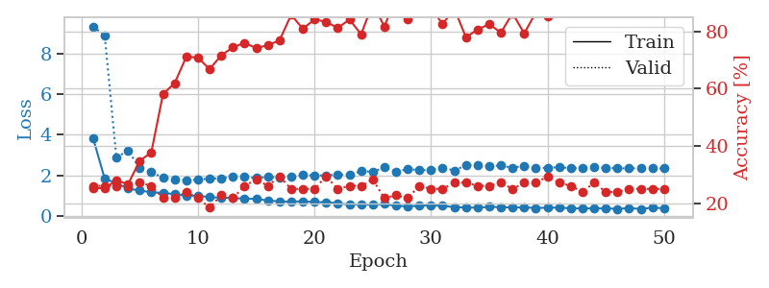
1.3568607828 | 2.3164593966 | 0.3722826087 | 0.25 | 0.082900047302 | 37.22826087 | 25
1.2865607142 | 1.705095089 | 0.5027173913 | 0.27173913043 | 0.082528114319 | 50.27173913 | 27.173913043
1.1726093707 | 1.6638250351 | 0.54347826087 | 0.23913043478 | 0.082676410675 | 54.347826087 | 23.913043478
1.1630265065 | 1.6168191329 | 0.54347826087 | 0.23913043478 | 0.082669019699 | 54.347826087 | 23.913043478
1.1778168989 | 1.7457165252 | 0.61684782609 | 0.30434782609 | 0.083150148392 | 61.684782609 | 30.434782609
1.1135314962 | 1.5915029723 | 0.61413043478 | 0.3152173913 | 0.082469701767 | 61.413043478 | 31.52173913
1.1288044504 | 1.6525621466 | 0.64402173913 | 0.29347826087 | 0.082670211792 | 64.402173913 | 29.347826087
1.0726435107 | 1.5818574947 | 0.66576086957 | 0.32608695652 | 0.082681417465 | 66.576086957 | 32.608695652
0.98126780209 | 1.472685109 | 0.67119565217 | 0.40217391304 | 0.08313536644 | 67.119565217 | 40.217391304
0.99281259205 | 1.4960638337 | 0.67119565217 | 0.36956521739 | 0.082480192184 | 67.119565217 | 36.956521739
0.91080627364 | 1.5373753931 | 0.6847826087 | 0.41304347826 | 0.082592725754 | 68.47826087 | 41.304347826
0.88060072194 | 1.6138165464 | 0.73913043478 | 0.36956521739 | 0.082733154297 | 73.913043478 | 36.956521739
0.88796955088 | 1.5097392538 | 0.76086956522 | 0.34782608696 | 0.08264541626 | 76.086956522 | 34.782608696
0.84200162214 | 1.5611705936 | 0.7527173913 | 0.3152173913 | 0.082535028458 | 75.27173913 | 31.52173913
0.82108526644 | 1.5490428676 | 0.79891304348 | 0.32608695652 | 0.082336902618 | 79.891304348 | 32.608695652
0.82627784428 | 1.5710570864 | 0.78532608696 | 0.35869565217 | 0.082699298859 | 78.532608696 | 35.869565217
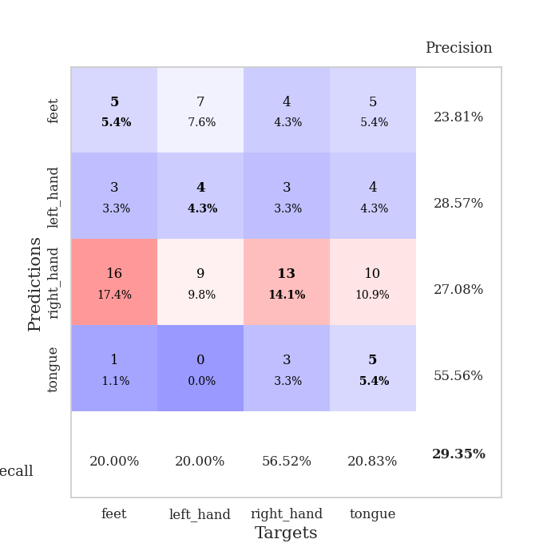
0.80036950759 | 1.6361388124 | 0.76358695652 | 0.30434782609 | 0.082492113113 | 76.358695652 | 30.434782609
0.69574583743 | 1.7318079938 | 0.73097826087 | 0.32608695652 | 0.082428693771 | 73.097826087 | 32.608695652
0.68670346685 | 1.6230440554 | 0.79347826087 | 0.3152173913 | 0.08230471611 | 79.347826087 | 31.52173913
0.69461722089 | 1.6203014799 | 0.82336956522 | 0.33695652174 | 0.082743167877 | 82.336956522 | 33.695652174
0.66119611652 | 1.6362401143 | 0.8097826087 | 0.35869565217 | 0.082711458206 | 80.97826087 | 35.869565217
0.6076614157 | 1.7045494629 | 0.84510869565 | 0.3152173913 | 0.082594871521 | 84.510869565 | 31.52173913
0.6878037971 | 1.6530789914 | 0.83695652174 | 0.35869565217 | 0.082818746567 | 83.695652174 | 35.869565217
0.60715083065 | 1.6494866713 | 0.85326086957 | 0.38043478261 | 0.082778453827 | 85.326086957 | 38.043478261
0.61816721895 | 1.6526105456 | 0.86956521739 | 0.35869565217 | 0.082948923111 | 86.956521739 | 35.869565217
0.57759776971 | 1.695870612 | 0.84782608696 | 0.39130434783 | 0.086006641388 | 84.782608696 | 39.130434783
0.56210960901 | 1.6918282146 | 0.85054347826 | 0.38043478261 | 0.082810640335 | 85.054347826 | 38.043478261
0.51339328159 | 1.6994626885 | 0.90217391304 | 0.36956521739 | 0.082347154617 | 90.217391304 | 36.956521739
0.56005448233 | 1.7413343813 | 0.92119565217 | 0.34782608696 | 0.082878351212 | 92.119565217 | 34.782608696
0.58530282067 | 1.7218472647 | 0.92391304348 | 0.34782608696 | 0.08300948143 | 92.391304348 | 34.782608696
0.49613790149 | 1.7034607296 | 0.93206521739 | 0.3152173913 | 0.082816362381 | 93.206521739 | 31.52173913
0.52795195839 | 1.6828729018 | 0.92934782609 | 0.32608695652 | 0.082646369934 | 92.934782609 | 32.608695652
0.53904760402 | 1.7214437619 | 0.92119565217 | 0.34782608696 | 0.08269238472 | 92.119565217 | 34.782608696
0.48215591843 | 1.7123351512 | 0.92391304348 | 0.35869565217 | 0.084525823593 | 92.391304348 | 35.869565217
0.48034303992 | 1.7253514165 | 0.94565217391 | 0.34782608696 | 0.083032369614 | 94.565217391 | 34.782608696
0.4793873073 | 1.7086124057 | 0.9347826087 | 0.34782608696 | 0.082819700241 | 93.47826087 | 34.782608696
0.50572672357 | 1.6963790189 | 0.95380434783 | 0.34782608696 | 0.082987546921 | 95.380434783 | 34.782608696
0.42462533 | 1.7141229588 | 0.94565217391 | 0.34782608696 | 0.082913398743 | 94.565217391 | 34.782608696
0.42199892194 | 1.756430004 | 0.93206521739 | 0.34782608696 | 0.082985401154 | 93.206521739 | 34.782608696
0.44973418894 | 1.7730855786 | 0.9347826087 | 0.34782608696 | 0.082987308502 | 93.47826087 | 34.782608696
0.45413401852 | 1.7685854953 | 0.93206521739 | 0.35869565217 | 0.083018541336 | 93.206521739 | 35.869565217
0.37397496791 | 1.7792432826 | 0.92663043478 | 0.34782608696 | 0.083153963089 | 92.663043478 | 34.782608696
0.40510526494 | 1.7858326902 | 0.91847826087 | 0.34782608696 | 0.083370685577 | 91.847826087 | 34.782608696
0.42630912493 | 1.7784015199 | 0.93206521739 | 0.34782608696 | 0.083219528198 | 93.206521739 | 34.782608696
0.37646741712 | 1.780464841 | 0.93206521739 | 0.34782608696 | 0.082830905914 | 93.206521739 | 34.782608696
0.44809328603 | 1.7817118842 | 0.9375 | 0.34782608696 | 0.082940816879 | 93.75 | 34.782608696
0.43323251152 | 1.7801612097 | 0.9402173913 | 0.34782608696 | 0.082851409912 | 94.02173913 | 34.782608696
0.43915311992 | 1.779691805 | 0.94293478261 | 0.34782608696 | 0.082928657532 | 94.293478261 | 34.782608696

Best Val accuracy is 0.41304347826086957 and Best test accuracy is 0.33620689655172414
train_loss | valid_loss | train_accuracy | valid_accuracy | dur | train_misclass | valid_misclass
1.7868010479 | 1.5551247804 | 0.2527173913 | 0.26086956522 | 0.20547699928 | 25.27173913 | 26.086956522
1.3709714309 | 1.431833998 | 0.24184782609 | 0.27173913043 | 0.21086716652 | 24.184782609 | 27.173913043
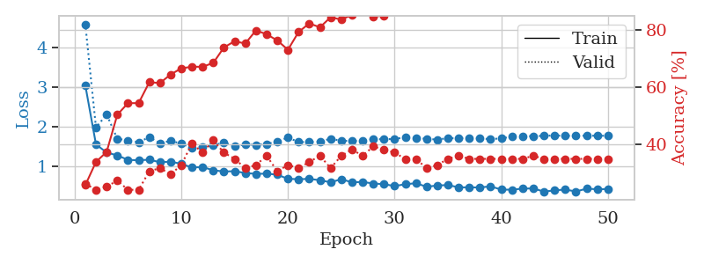
1.248428267 | 1.4953377351 | 0.25543478261 | 0.21739130435 | 0.21047091484 | 25.543478261 | 21.739130435
1.1719690406 | 1.6455117516 | 0.25543478261 | 0.21739130435 | 0.20940947533 | 25.543478261 | 21.739130435
1.2567955437 | 2.1637438795 | 0.25543478261 | 0.21739130435 | 0.21426200867 | 25.543478261 | 21.739130435
1.1665193827 | 2.4598611438 | 0.25543478261 | 0.21739130435 | 0.21075224876 | 25.543478261 | 21.739130435
1.1607550823 | 1.9674064387 | 0.25543478261 | 0.21739130435 | 0.20963907242 | 25.543478261 | 21.739130435
1.1086511068 | 1.7869880562 | 0.25543478261 | 0.21739130435 | 0.20837497711 | 25.543478261 | 21.739130435
1.1032126857 | 3.8920175718 | 0.25543478261 | 0.21739130435 | 0.21122765541 | 25.543478261 | 21.739130435
1.1846543499 | 3.2415989482 | 0.25543478261 | 0.21739130435 | 0.21113228798 | 25.543478261 | 21.739130435
1.0138240508 | 2.798184965 | 0.25543478261 | 0.21739130435 | 0.20942139626 | 25.543478261 | 21.739130435
0.96184231406 | 3.1596579863 | 0.25543478261 | 0.21739130435 | 0.20836472511 | 25.543478261 | 21.739130435
1.0753663623 | 3.2871965636 | 0.25543478261 | 0.21739130435 | 0.21022772789 | 25.543478261 | 21.739130435
1.0280885619 | 5.3057354429 | 0.25543478261 | 0.21739130435 | 0.21209836006 | 25.543478261 | 21.739130435
1.0052839595 | 5.3129957448 | 0.25543478261 | 0.21739130435 | 0.21019530296 | 25.543478261 | 21.739130435
1.0476578655 | 6.291233581 | 0.25543478261 | 0.21739130435 | 0.20963072777 | 25.543478261 | 21.739130435
1.0597670026 | 4.5029053273 | 0.25543478261 | 0.21739130435 | 0.21155333519 | 25.543478261 | 21.739130435
1.0122692041 | 4.0100840071 | 0.25543478261 | 0.21739130435 | 0.20916581154 | 25.543478261 | 21.739130435
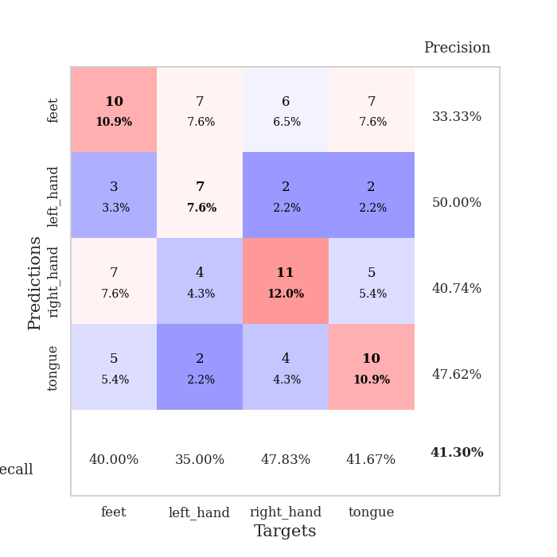
0.9096755515 | 5.3785655809 | 0.25543478261 | 0.21739130435 | 0.20962381363 | 25.543478261 | 21.739130435
0.92895456242 | 5.252662555 | 0.25543478261 | 0.21739130435 | 0.21087288857 | 25.543478261 | 21.739130435
0.94091108571 | 5.0542732529 | 0.25543478261 | 0.21739130435 | 0.21052980423 | 25.543478261 | 21.739130435
0.99934138941 | 5.3007081073 | 0.25543478261 | 0.21739130435 | 0.21296572685 | 25.543478261 | 21.739130435
1.032054217 | 5.7039544479 | 0.25543478261 | 0.21739130435 | 0.21091604233 | 25.543478261 | 21.739130435
0.93754308638 | 5.5160003952 | 0.25543478261 | 0.21739130435 | 0.20928525925 | 25.543478261 | 21.739130435
0.96652620253 | 4.0449286129 | 0.25543478261 | 0.21739130435 | 0.21224045753 | 25.543478261 | 21.739130435
0.91812426888 | 3.8302180767 | 0.25543478261 | 0.21739130435 | 0.20947599411 | 25.543478261 | 21.739130435
0.93985456228 | 3.7705647738 | 0.25543478261 | 0.21739130435 | 0.21121239662 | 25.543478261 | 21.739130435
0.9263064032 | 3.2519227318 | 0.25543478261 | 0.21739130435 | 0.20972895622 | 25.543478261 | 21.739130435
0.92108072664 | 2.3416941477 | 0.25543478261 | 0.21739130435 | 0.21048927307 | 25.543478261 | 21.739130435
0.96157155996 | 2.131046575 | 0.25543478261 | 0.21739130435 | 0.21014451981 | 25.543478261 | 21.739130435
0.87912431748 | 1.7863824834 | 0.25543478261 | 0.21739130435 | 0.2088367939 | 25.543478261 | 21.739130435
0.94079775655 | 1.2489444536 | 0.25543478261 | 0.21739130435 | 0.21036744118 | 25.543478261 | 21.739130435
0.90289869775 | 1.0504571718 | 0.4972826087 | 0.48913043478 | 0.2131831646 | 49.72826087 | 48.913043478
0.93742708279 | 1.6672982081 | 0.25543478261 | 0.21739130435 | 0.21005272865 | 25.543478261 | 21.739130435
0.92204780164 | 1.1490288403 | 0.25543478261 | 0.21739130435 | 0.20932722092 | 25.543478261 | 21.739130435
0.93930794363 | 0.98652997224 | 0.75 | 0.75 | 0.20935106277 | 75 | 75
0.86847038114 | 0.98082151102 | 0.4972826087 | 0.48913043478 | 0.21340513229 | 49.72826087 | 48.913043478
0.86010792722 | 0.95062689159 | 0.50815217391 | 0.47826086957 | 0.20992493629 | 50.815217391 | 47.826086957
0.83147030551 | 0.97152171964 | 0.75815217391 | 0.72826086957 | 0.21095442772 | 75.815217391 | 72.826086957
0.8996670583 | 1.4159391445 | 0.25543478261 | 0.21739130435 | 0.21080565453 | 25.543478261 | 21.739130435
0.888233983 | 1.5588349259 | 0.25543478261 | 0.21739130435 | 0.21066570282 | 25.543478261 | 21.739130435
0.86132335663 | 1.7278890143 | 0.25543478261 | 0.21739130435 | 0.21261763573 | 25.543478261 | 21.739130435
0.86912789034 | 1.6645373676 | 0.25543478261 | 0.21739130435 | 0.21089625359 | 25.543478261 | 21.739130435
0.86589848736 | 1.8296457944 | 0.25543478261 | 0.21739130435 | 0.21173286438 | 25.543478261 | 21.739130435
0.85685682038 | 1.9202714899 | 0.25543478261 | 0.21739130435 | 0.21210408211 | 25.543478261 | 21.739130435
0.95713945575 | 2.0770134408 | 0.25543478261 | 0.21739130435 | 0.21088719368 | 25.543478261 | 21.739130435
0.90719485801 | 2.1545856932 | 0.25543478261 | 0.21739130435 | 0.21103739738 | 25.543478261 | 21.739130435
0.82994347033 | 2.1795840885 | 0.25543478261 | 0.21739130435 | 0.21077466011 | 25.543478261 | 21.739130435
0.79733299691 | 2.2655334058 | 0.25543478261 | 0.21739130435 | 0.21297097206 | 25.543478261 | 21.739130435
0.91022100397 | 2.3196839146 | 0.25543478261 | 0.21739130435 | 0.21047449112 | 25.543478261 | 21.739130435

Best Val accuracy is 0.75 and Best test accuracy is 0.75

Sheet6
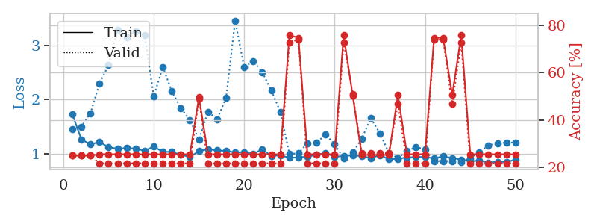
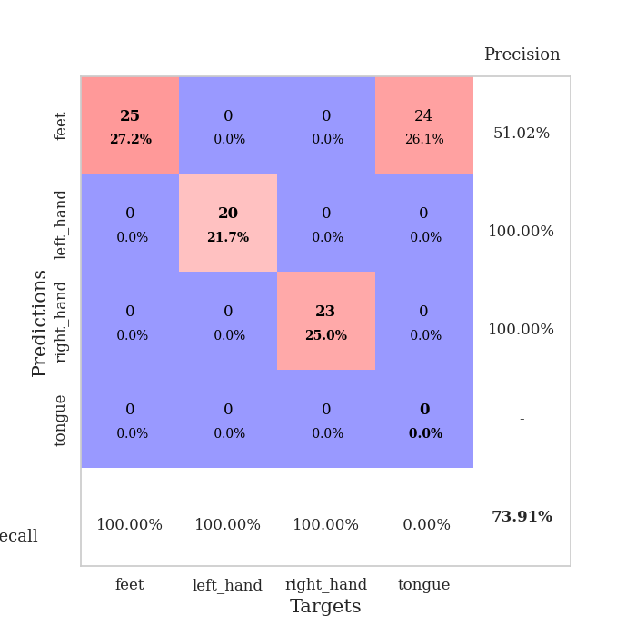
train_loss | valid_loss | train_accuracy | valid_accuracy | dur | train_misclass | valid_misclass
4.9490807419 | 22.366956545 | 0.3125 | 0.21739130435 | 0.084201574326 | 31.25 | 21.739130435
1.6942247619 | 5.5280944161 | 0.38043478261 | 0.21739130435 | 0.081832408905 | 38.043478261 | 21.739130435
1.4614405943 | 3.2384339726 | 0.4375 | 0.22826086957 | 0.081704616547 | 43.75 | 22.826086957
1.3970593084 | 2.3403916463 | 0.52173913043 | 0.19565217391 | 0.08175444603 | 52.173913043 | 19.565217391
1.3144502925 | 1.9940911169 | 0.54619565217 | 0.20652173913 | 0.081649780273 | 54.619565217 | 20.652173913
1.1626022847 | 1.7087974082 | 0.58695652174 | 0.22826086957 | 0.081873893738 | 58.695652174 | 22.826086957
1.1583109939 | 1.7706409278 | 0.6277173913 | 0.25 | 0.081761360168 | 62.77173913 | 25
1.017223099 | 1.6937495159 | 0.6277173913 | 0.21739130435 | 0.081850767136 | 62.77173913 | 21.739130435
1.0329157399 | 1.6248239693 | 0.64402173913 | 0.23913043478 | 0.081739425659 | 64.402173913 | 23.913043478
0.99622365962 | 1.5212146925 | 0.73641304348 | 0.29347826087 | 0.081778526306 | 73.641304348 | 29.347826087
0.89660492928 | 1.5155304878 | 0.73369565217 | 0.30434782609 | 0.082148551941 | 73.369565217 | 30.434782609
0.94772991797 | 1.634064239 | 0.71195652174 | 0.30434782609 | 0.08184170723 | 71.195652174 | 30.434782609
0.84797067487 | 1.5568926853 | 0.61141304348 | 0.32608695652 | 0.081577062607 | 61.141304348 | 32.608695652
0.88172414769 | 1.7008759457 | 0.69293478261 | 0.32608695652 | 0.08176279068 | 69.293478261 | 32.608695652
0.81380925749 | 1.5518136491 | 0.76086956522 | 0.36956521739 | 0.081570386887 | 76.086956522 | 36.956521739
0.79011787928 | 1.5781506507 | 0.80163043478 | 0.32608695652 | 0.081844568253 | 80.163043478 | 32.608695652
0.80013187424 | 1.6277646345 | 0.73097826087 | 0.3152173913 | 0.081830978394 | 73.097826087 | 31.52173913
0.73212133283 | 1.7364007546 | 0.76630434783 | 0.29347826087 | 0.081728219986 | 76.630434783 | 29.347826087
0.67866784982 | 1.7249039412 | 0.77989130435 | 0.35869565217 | 0.081627607346 | 77.989130435 | 35.869565217
0.71978235245 | 1.736908498 | 0.84782608696 | 0.3152173913 | 0.081748723984 | 84.782608696 | 31.52173913
0.67737815821 | 1.8296932552 | 0.72010869565 | 0.26086956522 | 0.081886053085 | 72.010869565 | 26.086956522
0.73659014572 | 1.9871749982 | 0.66032608696 | 0.29347826087 | 0.081747531891 | 66.032608696 | 29.347826087
0.70604689354 | 1.7858350432 | 0.79076086957 | 0.28260869565 | 0.081795454025 | 79.076086957 | 28.260869565
0.64959336882 | 1.8294326274 | 0.74456521739 | 0.29347826087 | 0.083909511566 | 74.456521739 | 29.347826087
0.60900088626 | 2.0250059625 | 0.65217391304 | 0.28260869565 | 0.081804990768 | 65.217391304 | 28.260869565
0.63263473692 | 2.0444303285 | 0.70652173913 | 0.28260869565 | 0.081870079041 | 70.652173913 | 28.260869565
0.59050062428 | 1.9898753063 | 0.67934782609 | 0.29347826087 | 0.081944227219 | 67.934782609 | 29.347826087
0.54766254451 | 1.9429921586 | 0.73369565217 | 0.30434782609 | 0.082459211349 | 73.369565217 | 30.434782609
0.59985039416 | 1.9879195068 | 0.6875 | 0.26086956522 | 0.082468032837 | 68.75 | 26.086956522
0.59882823151 | 2.0581514835 | 0.6875 | 0.23913043478 | 0.08232665062 | 68.75 | 23.913043478
0.56726188763 | 1.8422570591 | 0.84782608696 | 0.27173913043 | 0.082247257233 | 84.782608696 | 27.173913043
0.49160817136 | 1.8050942784 | 0.85326086957 | 0.28260869565 | 0.082305192947 | 85.326086957 | 28.260869565
0.5396549002 | 1.9550563874 | 0.79619565217 | 0.28260869565 | 0.081963062286 | 79.619565217 | 28.260869565
0.47835929627 | 2.187362163 | 0.69293478261 | 0.23913043478 | 0.08210682869 | 69.293478261 | 23.913043478
0.47555617146 | 2.1012651609 | 0.72826086957 | 0.27173913043 | 0.082467317581 | 72.826086957 | 27.173913043
0.52650339318 | 2.1092423252 | 0.6902173913 | 0.27173913043 | 0.082152366638 | 69.02173913 | 27.173913043
0.4792633264 | 2.0884445854 | 0.75815217391 | 0.28260869565 | 0.082023620605 | 75.815217391 | 28.260869565
0.41064265824 | 2.1371570048 | 0.74456521739 | 0.28260869565 | 0.082319498062 | 74.456521739 | 28.260869565
0.44544596193 | 2.1133181116 | 0.75 | 0.28260869565 | 0.082315921783 | 75 | 28.260869565
0.46639789382 | 2.0394021117 | 0.8097826087 | 0.26086956522 | 0.082193374634 | 80.97826087 | 26.086956522
0.45690147482 | 2.0116285138 | 0.82065217391 | 0.27173913043 | 0.082457065582 | 82.065217391 | 27.173913043
0.47892614033 | 2.0401360574 | 0.80706521739 | 0.29347826087 | 0.082191944122 | 80.706521739 | 29.347826087
0.45245478075 | 2.0669305843 | 0.78804347826 | 0.29347826087 | 0.082168340683 | 78.804347826 | 29.347826087
0.42251733593 | 2.0502433881 | 0.80163043478 | 0.30434782609 | 0.082215070724 | 80.163043478 | 30.434782609
0.43041576704 | 2.0575505132 | 0.80706521739 | 0.30434782609 | 0.081959724426 | 80.706521739 | 30.434782609
0.45353045412 | 2.0438848889 | 0.82336956522 | 0.28260869565 | 0.081789493561 | 82.336956522 | 28.260869565
0.48175137976 | 2.0429600633 | 0.82608695652 | 0.29347826087 | 0.082127332687 | 82.608695652 | 29.347826087
0.42797128014 | 2.042597242 | 0.82880434783 | 0.29347826087 | 0.082413673401 | 82.880434783 | 29.347826087
0.4897652709 | 2.0394934675 | 0.82880434783 | 0.29347826087 | 0.082386732101 | 82.880434783 | 29.347826087
0.40566348025 | 2.038047096 | 0.83152173913 | 0.28260869565 | 0.0822057724 | 83.152173913 | 28.260869565

Best Val accuracy is 0.3695652173913043 and Best test accuracy is 0.35344827586206895
train_loss | valid_loss | train_accuracy | valid_accuracy | dur | train_misclass | valid_misclass
2.755887073 | 6.6405575586 | 0.32608695652 | 0.1847826087 | 0.082813978195 | 32.608695652 | 18.47826087
1.5879709928 | 4.1876179032 | 0.34510869565 | 0.22826086957 | 0.082197666168 | 34.510869565 | 22.826086957
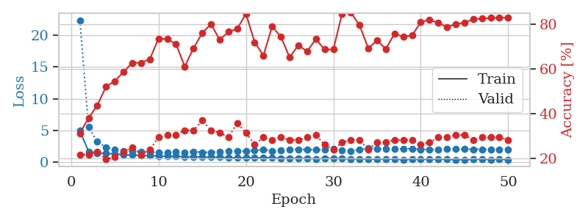
1.3653976243 | 1.9420916412 | 0.44293478261 | 0.21739130435 | 0.082306861877 | 44.293478261 | 21.739130435
1.3567378573 | 1.8871024692 | 0.47826086957 | 0.29347826087 | 0.083532333374 | 47.826086957 | 29.347826087
1.200655196 | 1.8301672728 | 0.52717391304 | 0.22826086957 | 0.084792852402 | 52.717391304 | 22.826086957
1.1939121433 | 1.9597976415 | 0.55163043478 | 0.26086956522 | 0.083703756332 | 55.163043478 | 26.086956522
1.1258650889 | 1.6691746453 | 0.67119565217 | 0.23913043478 | 0.083412885666 | 67.119565217 | 23.913043478
1.0653848855 | 1.6934935736 | 0.6875 | 0.25 | 0.083205223083 | 68.75 | 25
1.0059528662 | 1.6357635882 | 0.64673913043 | 0.28260869565 | 0.083116292953 | 64.673913043 | 28.260869565
0.96508156735 | 1.5866573116 | 0.73641304348 | 0.28260869565 | 0.083116292953 | 73.641304348 | 28.260869565
0.99512382176 | 1.6518350425 | 0.74184782609 | 0.25 | 0.083328485489 | 74.184782609 | 25
0.92775937785 | 1.6860346224 | 0.70108695652 | 0.29347826087 | 0.083201408386 | 70.108695652 | 29.347826087
0.88028317949 | 1.7740885071 | 0.64673913043 | 0.32608695652 | 0.083511352539 | 64.673913043 | 32.608695652
0.87491845307 | 1.8306023297 | 0.7527173913 | 0.3152173913 | 0.083399534225 | 75.27173913 | 31.52173913
0.83614642724 | 1.768316357 | 0.7472826087 | 0.25 | 0.08324098587 | 74.72826087 | 25
0.8232698622 | 1.6276977995 | 0.73913043478 | 0.34782608696 | 0.085005760193 | 73.913043478 | 34.782608696
0.76720025488 | 1.7758158445 | 0.63315217391 | 0.32608695652 | 0.083078622818 | 63.315217391 | 32.608695652
0.69439981683 | 1.6811946112 | 0.70108695652 | 0.36956521739 | 0.082896947861 | 70.108695652 | 36.956521739
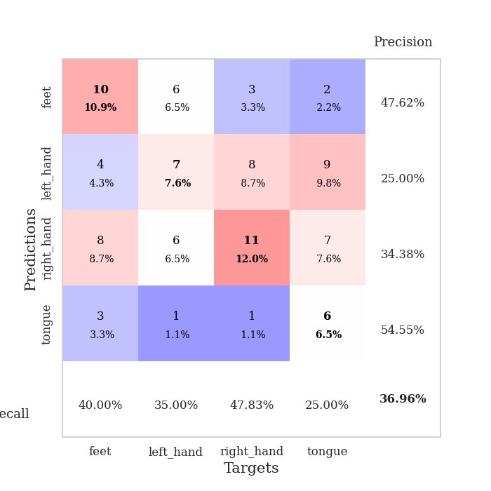
0.69407194853 | 1.9210451997 | 0.625 | 0.3152173913 | 0.083102226257 | 62.5 | 31.52173913
0.67146808557 | 1.68777471 | 0.83967391304 | 0.32608695652 | 0.083046197891 | 83.967391304 | 32.608695652
0.63944624947 | 1.7596384391 | 0.82065217391 | 0.3152173913 | 0.082685470581 | 82.065217391 | 31.52173913
0.65621753879 | 1.7279238908 | 0.80163043478 | 0.30434782609 | 0.083420276642 | 80.163043478 | 30.434782609
0.6612627895 | 1.8228392653 | 0.8152173913 | 0.30434782609 | 0.08282828331 | 81.52173913 | 30.434782609
0.61130814967 | 1.842817405 | 0.8777173913 | 0.32608695652 | 0.082761526108 | 87.77173913 | 32.608695652
0.62633326909 | 1.8596744693 | 0.88858695652 | 0.30434782609 | 0.08288860321 | 88.858695652 | 30.434782609
0.54745425737 | 2.057540339 | 0.79076086957 | 0.29347826087 | 0.083050251007 | 79.076086957 | 29.347826087
0.52761570137 | 1.8802597212 | 0.82608695652 | 0.28260869565 | 0.082903862 | 82.608695652 | 28.260869565
0.47834341358 | 1.7490533331 | 0.88586956522 | 0.3152173913 | 0.082829236984 | 88.586956522 | 31.52173913
0.57767546047 | 1.9442433948 | 0.85597826087 | 0.3152173913 | 0.082493305206 | 85.597826087 | 31.52173913
0.54349494499 | 1.8923741268 | 0.88586956522 | 0.35869565217 | 0.083067417145 | 88.586956522 | 35.869565217
0.55107174101 | 1.8841554237 | 0.90217391304 | 0.33695652174 | 0.082823038101 | 90.217391304 | 33.695652174
0.48502034078 | 1.870598876 | 0.92119565217 | 0.32608695652 | 0.083380222321 | 92.119565217 | 32.608695652
0.44984388999 | 1.8741875887 | 0.92119565217 | 0.33695652174 | 0.082639217377 | 92.119565217 | 33.695652174
0.43986067111 | 1.8678202836 | 0.90217391304 | 0.34782608696 | 0.082984447479 | 90.217391304 | 34.782608696
0.41202502082 | 1.8901609701 | 0.89945652174 | 0.33695652174 | 0.083127260208 | 89.945652174 | 33.695652174
0.48884848149 | 1.8822046777 | 0.89945652174 | 0.33695652174 | 0.083325624466 | 89.945652174 | 33.695652174
0.42840710347 | 1.872232121 | 0.91032608696 | 0.34782608696 | 0.082923173904 | 91.032608696 | 34.782608696
0.44052647249 | 1.8754852492 | 0.88858695652 | 0.3152173913 | 0.083006858826 | 88.858695652 | 31.52173913
0.46017762241 | 1.8895735533 | 0.91304347826 | 0.32608695652 | 0.083266496658 | 91.304347826 | 32.608695652
0.39359541561 | 1.8887148111 | 0.91032608696 | 0.32608695652 | 0.082922935486 | 91.032608696 | 32.608695652
0.4311910304 | 1.8832986251 | 0.90489130435 | 0.33695652174 | 0.08487534523 | 90.489130435 | 33.695652174
0.37877612269 | 1.8654992943 | 0.91304347826 | 0.32608695652 | 0.082911968231 | 91.304347826 | 32.608695652
0.40040321195 | 1.8935091444 | 0.90760869565 | 0.32608695652 | 0.08301448822 | 90.760869565 | 32.608695652
0.3557163451 | 1.9041240578 | 0.92119565217 | 0.33695652174 | 0.082898616791 | 92.119565217 | 33.695652174
0.41123515108 | 1.893969738 | 0.92391304348 | 0.32608695652 | 0.082900524139 | 92.391304348 | 32.608695652
0.40226453867 | 1.8883840519 | 0.92663043478 | 0.32608695652 | 0.082857131958 | 92.663043478 | 32.608695652
0.43557537379 | 1.8898153668 | 0.92934782609 | 0.3152173913 | 0.082929611206 | 92.934782609 | 31.52173913
0.37751482686 | 1.8914956217 | 0.92934782609 | 0.30434782609 | 0.082982063293 | 92.934782609 | 30.434782609
0.45457455062 | 1.8922461064 | 0.93206521739 | 0.30434782609 | 0.083118200302 | 93.206521739 | 30.434782609
0.41930591412 | 1.8922392389 | 0.93206521739 | 0.3152173913 | 0.082897186279 | 93.206521739 | 31.52173913

Best Val accuracy is 0.3695652173913043 and Best test accuracy is 0.33620689655172414
train_loss | valid_loss | train_accuracy | valid_accuracy | dur | train_misclass | valid_misclass
1.7257230645 | 1.4478757122 | 0.25 | 0.25 | 0.2052025795 | 25 | 25
1.2634060564 | 1.5000554945 | 0.25 | 0.25 | 0.2113032341 | 25 | 25
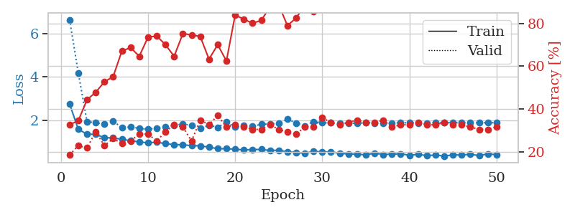
1.1702373494 | 1.7465648444 | 0.25 | 0.25 | 0.20965194702 | 25 | 25
1.2177813157 | 2.3000725041 | 0.25543478261 | 0.21739130435 | 0.21026039124 | 25.543478261 | 21.739130435
1.1168547065 | 2.6369267443 | 0.25543478261 | 0.21739130435 | 0.21150135994 | 25.543478261 | 21.739130435
1.090885805 | 3.2931501243 | 0.25543478261 | 0.21739130435 | 0.20757985115 | 25.543478261 | 21.739130435
1.1037063676 | 3.1532115625 | 0.25543478261 | 0.21739130435 | 0.21111655235 | 25.543478261 | 21.739130435
1.0922568 | 3.2686539422 | 0.25543478261 | 0.21739130435 | 0.21079659462 | 25.543478261 | 21.739130435
1.0519909729 | 3.1927935455 | 0.25543478261 | 0.21739130435 | 0.20897293091 | 25.543478261 | 21.739130435
1.1326794469 | 2.0601617979 | 0.25543478261 | 0.21739130435 | 0.21010613441 | 25.543478261 | 21.739130435
1.0301598103 | 2.6067300568 | 0.25543478261 | 0.21739130435 | 0.21084690094 | 25.543478261 | 21.739130435
1.0331929274 | 2.1560187443 | 0.25543478261 | 0.21739130435 | 0.21062541008 | 25.543478261 | 21.739130435
0.97726558862 | 1.8406150393 | 0.25543478261 | 0.21739130435 | 0.20959591866 | 25.543478261 | 21.739130435
0.939254223 | 1.6228251665 | 0.25543478261 | 0.21739130435 | 0.21048069 | 25.543478261 | 21.739130435
1.0448455888 | 1.2586840806 | 0.4972826087 | 0.48913043478 | 0.20946121216 | 49.72826087 | 48.913043478
1.0821020474 | 1.7755042366 | 0.25543478261 | 0.21739130435 | 0.21093511581 | 25.543478261 | 21.739130435
1.0579870499 | 1.6360793528 | 0.25543478261 | 0.21739130435 | 0.21048283577 | 25.543478261 | 21.739130435
1.0497566254 | 2.0310474686 | 0.25543478261 | 0.21739130435 | 0.21052408218 | 25.543478261 | 21.739130435
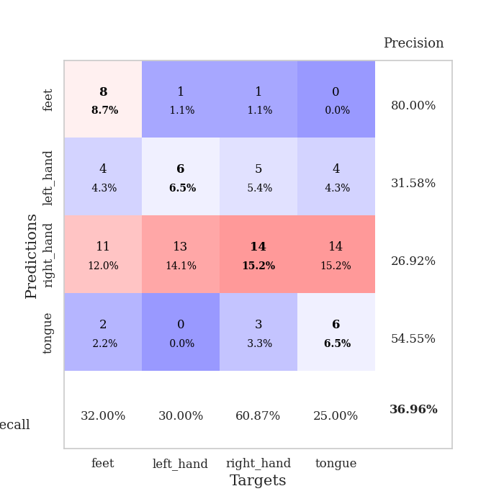
1.0208065484 | 3.466922221 | 0.25543478261 | 0.21739130435 | 0.21192073822 | 25.543478261 | 21.739130435
1.0270204285 | 2.5963826698 | 0.25543478261 | 0.21739130435 | 0.21185207367 | 25.543478261 | 21.739130435
0.99257105848 | 2.7177578159 | 0.25543478261 | 0.21739130435 | 0.21136665344 | 25.543478261 | 21.739130435
1.0809079098 | 2.5085320887 | 0.25543478261 | 0.21739130435 | 0.21067357063 | 25.543478261 | 21.739130435
0.95677447578 | 2.1680212332 | 0.25543478261 | 0.21739130435 | 0.21140694618 | 25.543478261 | 21.739130435
0.96603386039 | 1.7744874384 | 0.25543478261 | 0.21739130435 | 0.2108900547 | 25.543478261 | 21.739130435
0.92243039349 | 0.99507308784 | 0.75815217391 | 0.72826086957 | 0.20840358734 | 75.815217391 | 72.826086957
0.92920603959 | 1.0034968283 | 0.7472826087 | 0.73913043478 | 0.20897912979 | 74.72826087 | 73.913043478
0.94302570042 | 1.1944507153 | 0.25543478261 | 0.21739130435 | 0.20804405212 | 25.543478261 | 21.739130435
0.9769886473 | 1.2042392492 | 0.25543478261 | 0.21739130435 | 0.20678949356 | 25.543478261 | 21.739130435
1.0123450082 | 1.3494480537 | 0.25543478261 | 0.21739130435 | 0.21081399918 | 25.543478261 | 21.739130435
0.94023983375 | 1.178101182 | 0.25543478261 | 0.21739130435 | 0.20966911316 | 25.543478261 | 21.739130435
0.95518315357 | 0.91405729626 | 0.75815217391 | 0.72826086957 | 0.21011710167 | 75.815217391 | 72.826086957
0.96721295429 | 1.0187370181 | 0.5027173913 | 0.51086956522 | 0.21192026138 | 50.27173913 | 51.086956522
0.95261393423 | 1.2744310576 | 0.2527173913 | 0.26086956522 | 0.21021103859 | 25.27173913 | 26.086956522
0.91805608117 | 1.6573861112 | 0.2527173913 | 0.26086956522 | 0.2109181881 | 25.27173913 | 26.086956522
0.9701817839 | 1.3758279707 | 0.2527173913 | 0.26086956522 | 0.210293293 | 25.27173913 | 26.086956522
0.89854608411 | 1.0147316922 | 0.2527173913 | 0.26086956522 | 0.20860290527 | 25.27173913 | 26.086956522
0.90205978311 | 0.9158918106 | 0.50543478261 | 0.46739130435 | 0.20823907852 | 50.543478261 | 46.739130435
0.92949169615 | 1.0461910497 | 0.25543478261 | 0.21739130435 | 0.21322774887 | 25.543478261 | 21.739130435
0.93475129293 | 1.1193179618 | 0.25543478261 | 0.21739130435 | 0.2113699913 | 25.543478261 | 21.739130435
0.93933484606 | 1.0819295852 | 0.25543478261 | 0.21739130435 | 0.21136903763 | 25.543478261 | 21.739130435
0.90886769087 | 0.86139583328 | 0.7472826087 | 0.73913043478 | 0.2115073204 | 74.72826087 | 73.913043478
0.95014520832 | 0.86057046963 | 0.7472826087 | 0.73913043478 | 0.21021342278 | 74.72826087 | 73.913043478
0.91443886964 | 0.86183915708 | 0.50543478261 | 0.46739130435 | 0.21056437492 | 50.543478261 | 46.739130435
0.89056560008 | 0.84755416798 | 0.75815217391 | 0.72826086957 | 0.21219921112 | 75.815217391 | 72.826086957
0.85663342735 | 0.91546352791 | 0.25543478261 | 0.21739130435 | 0.21143960953 | 25.543478261 | 21.739130435
0.87184345722 | 1.025316171 | 0.25543478261 | 0.21739130435 | 0.20938611031 | 25.543478261 | 21.739130435
0.83285413099 | 1.1526296294 | 0.25543478261 | 0.21739130435 | 0.21039271355 | 25.543478261 | 21.739130435
0.84726237732 | 1.1940781345 | 0.25543478261 | 0.21739130435 | 0.21361017227 | 25.543478261 | 21.739130435
0.84337641104 | 1.2009334772 | 0.25543478261 | 0.21739130435 | 0.2133026123 | 25.543478261 | 21.739130435
0.88766228375 | 1.2083831507 | 0.25543478261 | 0.21739130435 | 0.21133089066 | 25.543478261 | 21.739130435

Best Val accuracy is 0.7391304347826086 and Best test accuracy is 0.7672413793103449

Sheet7
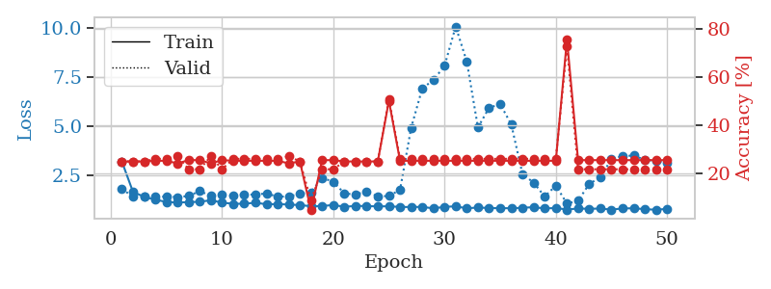
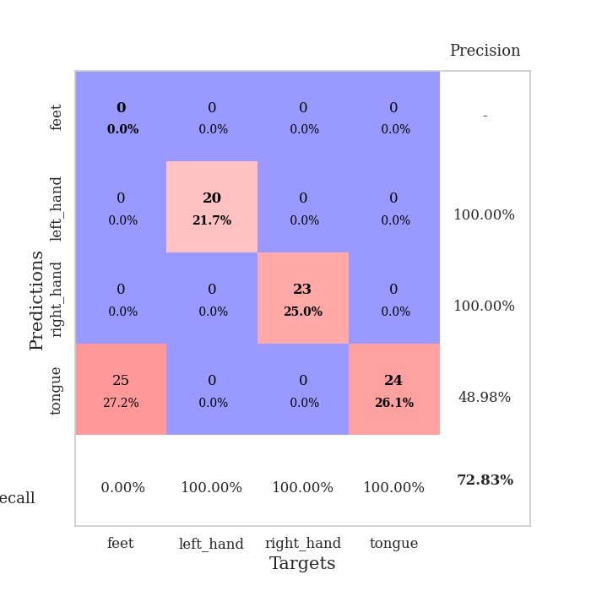
train_loss | valid_loss | train_accuracy | valid_accuracy | dur | train_misclass | valid_misclass
3.3387830776 | 5.3227109702 | 0.27445652174 | 0.26086956522 | 0.084154605865 | 27.445652174 | 26.086956522
1.5899698164 | 2.5765526191 | 0.36413043478 | 0.26086956522 | 0.081926584244 | 36.413043478 | 26.086956522
1.3920527619 | 2.3522951914 | 0.36956521739 | 0.23913043478 | 0.081699132919 | 36.956521739 | 23.913043478
1.3524196252 | 1.9685641061 | 0.45923913043 | 0.26086956522 | 0.081761598587 | 45.923913043 | 26.086956522
1.273950131 | 1.7905349161 | 0.54347826087 | 0.23913043478 | 0.081779718399 | 54.347826087 | 23.913043478
1.1605829286 | 1.6991965149 | 0.64130434783 | 0.29347826087 | 0.081730604172 | 64.130434783 | 29.347826087
1.0741423265 | 1.7025870448 | 0.67663043478 | 0.25 | 0.08403635025 | 67.663043478 | 25
1.0215209852 | 1.8112176346 | 0.625 | 0.28260869565 | 0.082071304321 | 62.5 | 28.260869565
1.0050276 | 1.6485626957 | 0.70108695652 | 0.32608695652 | 0.081906080246 | 70.108695652 | 32.608695652
0.97957300881 | 1.7845961633 | 0.63858695652 | 0.28260869565 | 0.083553314209 | 63.858695652 | 28.260869565
0.86353940808 | 1.6360080812 | 0.77445652174 | 0.29347826087 | 0.081962823868 | 77.445652174 | 29.347826087
0.87397610623 | 1.6926925079 | 0.65489130435 | 0.27173913043 | 0.08199930191 | 65.489130435 | 27.173913043
0.89136415202 | 1.6175500465 | 0.81793478261 | 0.30434782609 | 0.082460165024 | 81.793478261 | 30.434782609
0.79846026457 | 1.6672500476 | 0.73641304348 | 0.28260869565 | 0.082067012787 | 73.641304348 | 28.260869565
0.76524721928 | 1.6621806518 | 0.82880434783 | 0.25 | 0.081995725632 | 82.880434783 | 25
0.76616771195 | 1.8071559149 | 0.72010869565 | 0.3152173913 | 0.081759691238 | 72.010869565 | 31.52173913
0.75882110648 | 1.7721271774 | 0.75 | 0.33695652174 | 0.081984519958 | 75 | 33.695652174
0.73612972835 | 1.8410505005 | 0.74184782609 | 0.3152173913 | 0.08210515976 | 74.184782609 | 31.52173913
0.66183632094 | 1.7694706347 | 0.83423913043 | 0.29347826087 | 0.081866979599 | 83.423913043 | 29.347826087
0.7170482252 | 1.77015671 | 0.75543478261 | 0.33695652174 | 0.081985235214 | 75.543478261 | 33.695652174
0.68304747084 | 1.8807216157 | 0.75815217391 | 0.3152173913 | 0.081872701645 | 75.815217391 | 31.52173913
0.67141450099 | 1.8590195075 | 0.79076086957 | 0.32608695652 | 0.082577705383 | 79.076086957 | 32.608695652
0.63181392654 | 1.9755956608 | 0.72554347826 | 0.33695652174 | 0.082334280014 | 72.554347826 | 33.695652174
0.64583157975 | 1.923949138 | 0.6902173913 | 0.32608695652 | 0.082282781601 | 69.02173913 | 32.608695652
0.63835890138 | 2.0941052903 | 0.6847826087 | 0.3152173913 | 0.082284927368 | 68.47826087 | 31.52173913
0.59154234632 | 1.8309704169 | 0.78804347826 | 0.3152173913 | 0.085963010788 | 78.804347826 | 31.52173913
0.56866980376 | 1.8876879682 | 0.80434782609 | 0.33695652174 | 0.082104206085 | 80.434782609 | 33.695652174
0.51004629485 | 1.9060561709 | 0.77173913043 | 0.34782608696 | 0.081924200058 | 77.173913043 | 34.782608696
0.48071772638 | 2.1475944778 | 0.6902173913 | 0.33695652174 | 0.082324743271 | 69.02173913 | 33.695652174
0.57357716042 | 1.9828287467 | 0.7527173913 | 0.36956521739 | 0.082350730896 | 75.27173913 | 36.956521739
0.57951750898 | 1.9457473392 | 0.76358695652 | 0.33695652174 | 0.082196712494 | 76.358695652 | 33.695652174
0.49205151006 | 1.9082498499 | 0.77717391304 | 0.35869565217 | 0.08233499527 | 77.717391304 | 35.869565217
0.50663489039 | 1.9906391113 | 0.77717391304 | 0.36956521739 | 0.082149267197 | 77.717391304 | 36.956521739
0.48393782779 | 2.0219018407 | 0.7527173913 | 0.36956521739 | 0.082236528397 | 75.27173913 | 36.956521739
0.43183314833 | 2.1203170082 | 0.72282608696 | 0.35869565217 | 0.082126379013 | 72.282608696 | 35.869565217
0.4613244404 | 1.9886269103 | 0.79347826087 | 0.35869565217 | 0.084635019302 | 79.347826087 | 35.869565217
0.42981906106 | 2.0374280629 | 0.76086956522 | 0.36956521739 | 0.084347009659 | 76.086956522 | 36.956521739
0.42627945218 | 2.0496455742 | 0.77717391304 | 0.34782608696 | 0.081977128983 | 77.717391304 | 34.782608696
0.42640452735 | 2.0537899111 | 0.78804347826 | 0.35869565217 | 0.081971406937 | 78.804347826 | 35.869565217
0.45544824782 | 2.1459081017 | 0.72010869565 | 0.34782608696 | 0.081849336624 | 72.010869565 | 34.782608696
0.4433727245 | 2.0869688107 | 0.7527173913 | 0.34782608696 | 0.081998348236 | 75.27173913 | 34.782608696
0.44812316674 | 2.0942610813 | 0.77173913043 | 0.34782608696 | 0.08177280426 | 77.173913043 | 34.782608696
0.41557963387 | 2.0829683439 | 0.79891304348 | 0.34782608696 | 0.082021713257 | 79.891304348 | 34.782608696
0.39787338933 | 2.0817257995 | 0.80434782609 | 0.34782608696 | 0.081961870193 | 80.434782609 | 34.782608696
0.38751694042 | 2.0887107072 | 0.8097826087 | 0.34782608696 | 0.081949234009 | 80.97826087 | 34.782608696
0.41371036612 | 2.0865094299 | 0.8125 | 0.34782608696 | 0.082044124603 | 81.25 | 34.782608696
0.45760607201 | 2.0818427697 | 0.8125 | 0.34782608696 | 0.082078933716 | 81.25 | 34.782608696
0.4462297494 | 2.0834028876 | 0.8152173913 | 0.34782608696 | 0.081960201263 | 81.52173913 | 34.782608696
0.38887921138 | 2.0773142162 | 0.8152173913 | 0.34782608696 | 0.082221508026 | 81.52173913 | 34.782608696
0.39973653594 | 2.0722520611 | 0.8152173913 | 0.34782608696 | 0.082207918167 | 81.52173913 | 34.782608696

Best Val accuracy is 0.3695652173913043 and Best test accuracy is 0.33620689655172414
train_loss | valid_loss | train_accuracy | valid_accuracy | dur | train_misclass | valid_misclass
3.3058039105 | 3.3047820796 | 0.28804347826 | 0.20652173913 | 0.084057569504 | 28.804347826 | 20.652173913
1.5619184349 | 1.9242669603 | 0.35597826087 | 0.23913043478 | 0.08212184906 | 35.597826087 | 23.913043478
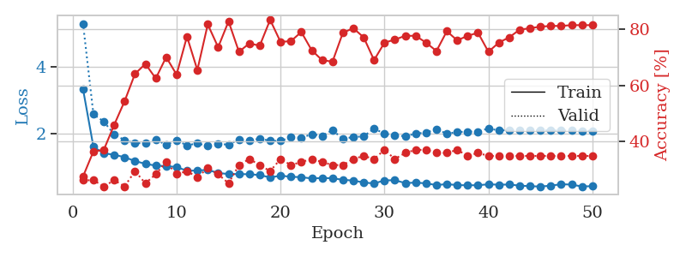
1.340262045 | 1.9391883508 | 0.45380434783 | 0.19565217391 | 0.082154750824 | 45.380434783 | 19.565217391
1.1757744603 | 1.7252445791 | 0.59510869565 | 0.26086956522 | 0.082072973251 | 59.510869565 | 26.086956522
1.1493647954 | 1.7848965396 | 0.60869565217 | 0.27173913043 | 0.082176208496 | 60.869565217 | 27.173913043
1.0949519665 | 1.8945140061 | 0.55163043478 | 0.26086956522 | 0.082161188126 | 55.163043478 | 26.086956522
1.0440568717 | 1.7485213746 | 0.69565217391 | 0.26086956522 | 0.082069635391 | 69.565217391 | 26.086956522
0.98189974609 | 1.7910507503 | 0.69836956522 | 0.23913043478 | 0.082253456116 | 69.836956522 | 23.913043478
0.96343424268 | 1.8938905415 | 0.73369565217 | 0.29347826087 | 0.082284450531 | 73.369565217 | 29.347826087
0.91461280118 | 1.7779943062 | 0.73913043478 | 0.3152173913 | 0.082366228104 | 73.913043478 | 31.52173913
0.90044033268 | 1.7819311567 | 0.80434782609 | 0.3152173913 | 0.082642316818 | 80.434782609 | 31.52173913
0.83619538338 | 1.7408472351 | 0.8152173913 | 0.30434782609 | 0.082895994186 | 81.52173913 | 30.434782609
0.81024021558 | 1.8713527192 | 0.8152173913 | 0.3152173913 | 0.082289934158 | 81.52173913 | 31.52173913
0.81695550162 | 1.9307160999 | 0.80706521739 | 0.28260869565 | 0.082659006119 | 80.706521739 | 28.260869565
0.74363515558 | 2.0142502007 | 0.85326086957 | 0.29347826087 | 0.082453012466 | 85.326086957 | 29.347826087
0.69644311654 | 1.9156141126 | 0.84782608696 | 0.3152173913 | 0.082681655884 | 84.782608696 | 31.52173913
0.75217009627 | 1.9017183729 | 0.84782608696 | 0.28260869565 | 0.082429885864 | 84.782608696 | 28.260869565
0.73935541381 | 1.9356607562 | 0.84782608696 | 0.28260869565 | 0.08296251297 | 84.782608696 | 28.260869565
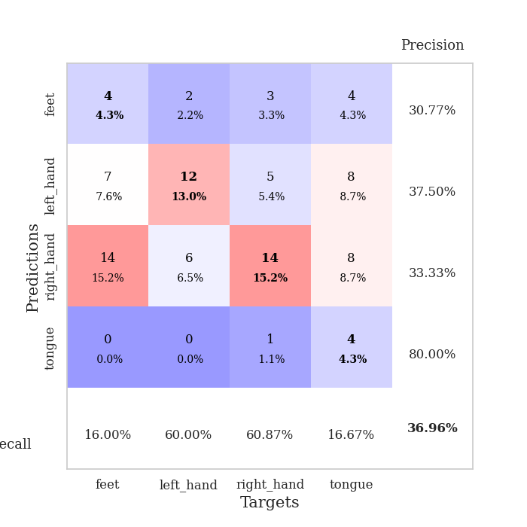
0.63536622472 | 2.0636574859 | 0.83695652174 | 0.29347826087 | 0.082334041595 | 83.695652174 | 29.347826087
0.65398293863 | 2.0316212229 | 0.86956521739 | 0.30434782609 | 0.082632541656 | 86.956521739 | 30.434782609
0.622621476 | 2.0871784635 | 0.79891304348 | 0.28260869565 | 0.082115888596 | 79.891304348 | 28.260869565
0.65129944812 | 2.0184920923 | 0.88315217391 | 0.3152173913 | 0.082545757294 | 88.315217391 | 31.52173913
0.64196465326 | 1.929898744 | 0.89945652174 | 0.30434782609 | 0.082384347916 | 89.945652174 | 30.434782609
0.63298010178 | 2.0398343542 | 0.91032608696 | 0.30434782609 | 0.08246922493 | 91.032608696 | 30.434782609
0.61548388134 | 1.9516133899 | 0.90760869565 | 0.27173913043 | 0.081958770752 | 90.760869565 | 27.173913043
0.53908241313 | 1.923503544 | 0.9347826087 | 0.34782608696 | 0.083067417145 | 93.47826087 | 34.782608696
0.51642861185 | 2.0269858474 | 0.92119565217 | 0.26086956522 | 0.082652568817 | 92.119565217 | 26.086956522
0.50912758514 | 2.037874963 | 0.91032608696 | 0.27173913043 | 0.082573413849 | 91.032608696 | 27.173913043
0.52198775566 | 2.1530606384 | 0.84782608696 | 0.27173913043 | 0.082593202591 | 84.782608696 | 27.173913043
0.51439875235 | 2.0885555796 | 0.94836956522 | 0.26086956522 | 0.083656311035 | 94.836956522 | 26.086956522
0.4611500223 | 2.0976610443 | 0.95652173913 | 0.26086956522 | 0.08350110054 | 95.652173913 | 26.086956522
0.49301167804 | 2.2149154155 | 0.89673913043 | 0.27173913043 | 0.082044124603 | 89.673913043 | 27.173913043
0.50857461859 | 2.2311364879 | 0.89130434783 | 0.25 | 0.082092523575 | 89.130434783 | 25
0.41703359394 | 2.065273741 | 0.96467391304 | 0.28260869565 | 0.082789182663 | 96.467391304 | 28.260869565
0.38348967388 | 2.1467838909 | 0.91032608696 | 0.27173913043 | 0.081914901733 | 91.032608696 | 27.173913043
0.45015181666 | 2.1533869609 | 0.96467391304 | 0.28260869565 | 0.08208656311 | 96.467391304 | 28.260869565
0.44469659549 | 2.127274591 | 0.96467391304 | 0.29347826087 | 0.082111597061 | 96.467391304 | 29.347826087
0.43959222604 | 2.1345459534 | 0.95652173913 | 0.27173913043 | 0.082118988037 | 95.652173913 | 27.173913043
0.44641603076 | 2.1339537942 | 0.9375 | 0.29347826087 | 0.081913471222 | 93.75 | 29.347826087
0.41536525928 | 2.1329806732 | 0.9347826087 | 0.29347826087 | 0.084203720093 | 93.47826087 | 29.347826087
0.37465421013 | 2.1430474623 | 0.9375 | 0.29347826087 | 0.08203291893 | 93.75 | 29.347826087
0.42015120063 | 2.1519688109 | 0.94293478261 | 0.28260869565 | 0.082140684128 | 94.293478261 | 28.260869565
0.43184986257 | 2.156088601 | 0.95652173913 | 0.29347826087 | 0.082305669785 | 95.652173913 | 29.347826087
0.41142573888 | 2.146407853 | 0.96195652174 | 0.28260869565 | 0.082070827484 | 96.195652174 | 28.260869565
0.39271173011 | 2.1413398929 | 0.97010869565 | 0.29347826087 | 0.0822057724 | 97.010869565 | 29.347826087
0.47196840139 | 2.145414793 | 0.96739130435 | 0.29347826087 | 0.082217216492 | 96.739130435 | 29.347826087
0.42883177879 | 2.1441454939 | 0.97282608696 | 0.29347826087 | 0.082043647766 | 97.282608696 | 29.347826087
0.39777173167 | 2.1458862553 | 0.97282608696 | 0.29347826087 | 0.082221508026 | 97.282608696 | 29.347826087
0.34279316405 | 2.1477572659 | 0.97282608696 | 0.29347826087 | 0.082040309906 | 97.282608696 | 29.347826087
0.38443187397 | 2.1478193273 | 0.97282608696 | 0.29347826087 | 0.08290886879 | 97.282608696 | 29.347826087

Best Val accuracy is 0.34782608695652173 and Best test accuracy is 0.41379310344827586
train_loss | valid_loss | train_accuracy | valid_accuracy | dur | train_misclass | valid_misclass
3.2007989261 | 1.788759045 | 0.25 | 0.25 | 0.2086918354 | 25 | 25
1.653554849 | 1.420903947 | 0.25 | 0.25 | 0.21061491966 | 25 | 25
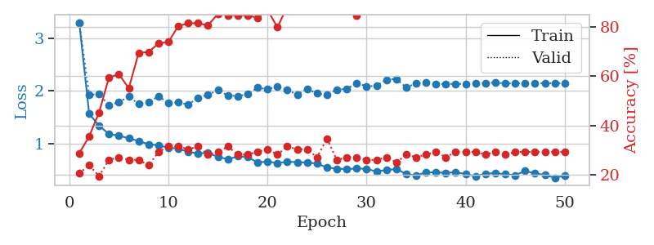
1.3977481282 | 1.4030863565 | 0.25 | 0.25 | 0.21060395241 | 25 | 25
1.2536388973 | 1.3936696208 | 0.2527173913 | 0.26086956522 | 0.21181821823 | 25.27173913 | 26.086956522
1.13826059 | 1.4140956713 | 0.2527173913 | 0.26086956522 | 0.21142745018 | 25.27173913 | 26.086956522
1.1094602606 | 1.3847615563 | 0.24184782609 | 0.27173913043 | 0.20974898338 | 24.184782609 | 27.173913043
1.1279799238 | 1.4393886431 | 0.25543478261 | 0.21739130435 | 0.21016645432 | 25.543478261 | 21.739130435
1.1482497739 | 1.6912396265 | 0.25543478261 | 0.21739130435 | 0.21013975143 | 25.543478261 | 21.739130435
1.2237762394 | 1.4422641422 | 0.24184782609 | 0.27173913043 | 0.21109604836 | 24.184782609 | 27.173913043
1.1022935821 | 1.4958795879 | 0.25543478261 | 0.21739130435 | 0.21129846573 | 25.543478261 | 21.739130435
1.0448059725 | 1.465392771 | 0.2527173913 | 0.26086956522 | 0.21417093277 | 25.27173913 | 26.086956522
1.0463319006 | 1.5069826168 | 0.2527173913 | 0.26086956522 | 0.21018218994 | 25.27173913 | 26.086956522
1.0990698156 | 1.516302145 | 0.2527173913 | 0.26086956522 | 0.20973491669 | 25.27173913 | 26.086956522
1.0191962434 | 1.5706585024 | 0.2527173913 | 0.26086956522 | 0.21153855324 | 25.27173913 | 26.086956522
1.0292652871 | 1.4038919781 | 0.2527173913 | 0.26086956522 | 0.21274018288 | 25.27173913 | 26.086956522
1.0055332106 | 1.4186805642 | 0.24184782609 | 0.27173913043 | 0.21259474754 | 24.184782609 | 27.173913043
0.97896020568 | 1.5501910293 | 0.25 | 0.25 | 0.21258592606 | 25 | 25
0.9208700916 | 1.6289760393 | 0.046195652174 | 0.086956521739 | 0.20896196365 | 4.6195652174 | 8.6956521739
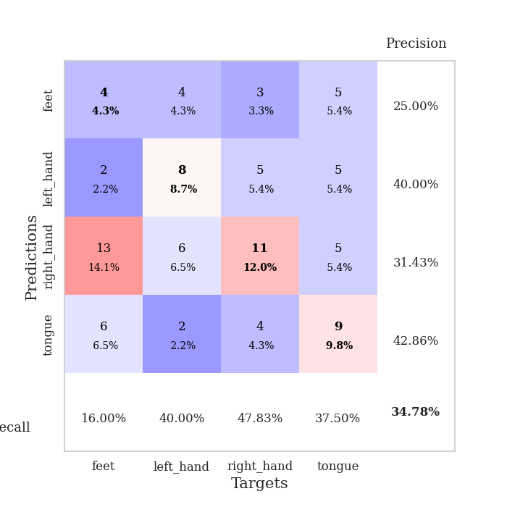
0.92588558923 | 2.367323637 | 0.25543478261 | 0.21739130435 | 0.21084523201 | 25.543478261 | 21.739130435
0.98678608303 | 2.1596407061 | 0.25543478261 | 0.21739130435 | 0.21089601517 | 25.543478261 | 21.739130435
0.88928637816 | 1.5737031646 | 0.25 | 0.25 | 0.20983505249 | 25 | 25
0.93630965119 | 1.5103067782 | 0.25 | 0.25 | 0.21117901802 | 25 | 25
0.92894771566 | 1.6763460273 | 0.25 | 0.25 | 0.21253347397 | 25 | 25
0.91065761317 | 1.4121955167 | 0.25 | 0.25 | 0.21324682236 | 25 | 25
0.91820547114 | 1.4439152168 | 0.5027173913 | 0.51086956522 | 0.21070694923 | 50.27173913 | 51.086956522
0.88350344223 | 1.7536975767 | 0.2527173913 | 0.26086956522 | 0.21006369591 | 25.27173913 | 26.086956522
0.87896642218 | 4.9134430263 | 0.2527173913 | 0.26086956522 | 0.21277093887 | 25.27173913 | 26.086956522
0.88670839434 | 6.916689852 | 0.2527173913 | 0.26086956522 | 0.21012616158 | 25.27173913 | 26.086956522
0.81044078132 | 7.3368071473 | 0.2527173913 | 0.26086956522 | 0.2097389698 | 25.27173913 | 26.086956522
0.8875711327 | 8.059573443 | 0.2527173913 | 0.26086956522 | 0.20973873138 | 25.27173913 | 26.086956522
0.91603822293 | 10.059717883 | 0.2527173913 | 0.26086956522 | 0.21062994003 | 25.27173913 | 26.086956522
0.81107203079 | 8.2727881929 | 0.2527173913 | 0.26086956522 | 0.21093058586 | 25.27173913 | 26.086956522
0.85702013192 | 4.9276479431 | 0.2527173913 | 0.26086956522 | 0.20953130722 | 25.27173913 | 26.086956522
0.8258321959 | 5.9232193698 | 0.2527173913 | 0.26086956522 | 0.20964598656 | 25.27173913 | 26.086956522
0.82120400408 | 6.1156755738 | 0.2527173913 | 0.26086956522 | 0.21204471588 | 25.27173913 | 26.086956522
0.81805805538 | 5.0723899966 | 0.2527173913 | 0.26086956522 | 0.21045064926 | 25.27173913 | 26.086956522
0.84057943717 | 2.5573923069 | 0.2527173913 | 0.26086956522 | 0.21062850952 | 25.27173913 | 26.086956522
0.87196493667 | 2.1219090327 | 0.2527173913 | 0.26086956522 | 0.21184229851 | 25.27173913 | 26.086956522
0.80733661678 | 1.4121666214 | 0.2527173913 | 0.26086956522 | 0.20966935158 | 25.27173913 | 26.086956522
0.829149495 | 1.9693508926 | 0.2527173913 | 0.26086956522 | 0.20982646942 | 25.27173913 | 26.086956522
0.75151017956 | 1.0525645199 | 0.75815217391 | 0.72826086957 | 0.21266746521 | 75.815217391 | 72.826086957
0.80538980857 | 1.199245116 | 0.25543478261 | 0.21739130435 | 0.21063017845 | 25.543478261 | 21.739130435
0.78740721423 | 2.0536094541 | 0.25543478261 | 0.21739130435 | 0.21152329445 | 25.543478261 | 21.739130435
0.80341152005 | 2.3889504308 | 0.25543478261 | 0.21739130435 | 0.20835924149 | 25.543478261 | 21.739130435
0.74678175346 | 3.3174160149 | 0.25543478261 | 0.21739130435 | 0.21186041832 | 25.543478261 | 21.739130435
0.80887612571 | 3.4706017453 | 0.25543478261 | 0.21739130435 | 0.20782232285 | 25.543478261 | 21.739130435
0.81437470343 | 3.4957562633 | 0.25543478261 | 0.21739130435 | 0.21129608154 | 25.543478261 | 21.739130435
0.7718732046 | 3.2791003766 | 0.25543478261 | 0.21739130435 | 0.20863223076 | 25.543478261 | 21.739130435
0.74034535626 | 3.2243924659 | 0.25543478261 | 0.21739130435 | 0.21082448959 | 25.543478261 | 21.739130435
0.78511266864 | 3.1070553323 | 0.25543478261 | 0.21739130435 | 0.21023464203 | 25.543478261 | 21.739130435

Best Val accuracy is 0.7282608695652174 and Best test accuracy is 0.7413793103448276

Sheet8
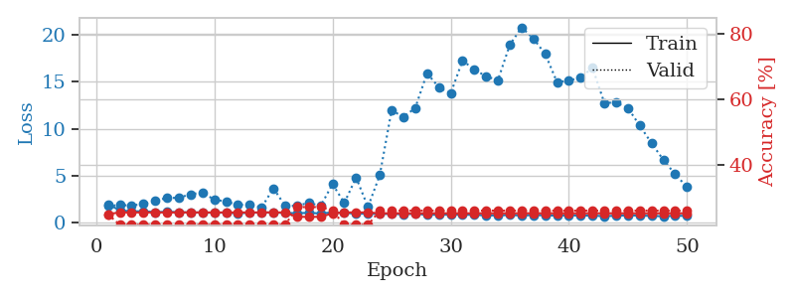
train_loss | valid_loss | train_accuracy | valid_accuracy | dur | train_misclass | valid_misclass
3.2227806786 | 3.8197824437 | 0.26086956522 | 0.27173913043 | 0.082431316376 | 26.086956522 | 27.173913043
1.7927966843 | 2.8447934545 | 0.28260869565 | 0.26086956522 | 0.08163022995 | 28.260869565 | 26.086956522
1.472007355 | 1.9345874838 | 0.29076086957 | 0.25 | 0.081491947174 | 29.076086957 | 25
1.3126667686 | 1.7826107326 | 0.35326086957 | 0.25 | 0.081743717194 | 35.326086957 | 25
1.2302027111 | 1.5927900646 | 0.5625 | 0.21739130435 | 0.081780195236 | 56.25 | 21.739130435
1.1688422509 | 1.60841975 | 0.60869565217 | 0.20652173913 | 0.081738471985 | 60.869565217 | 20.652173913
1.0597638566 | 1.6369346121 | 0.66304347826 | 0.20652173913 | 0.081680297852 | 66.304347826 | 20.652173913
1.0734524494 | 1.6268164593 | 0.70923913043 | 0.22826086957 | 0.081824064255 | 70.923913043 | 22.826086957
1.0419008887 | 1.5971324599 | 0.72282608696 | 0.22826086957 | 0.081753730774 | 72.282608696 | 22.826086957
0.95884559984 | 1.5814208311 | 0.76630434783 | 0.26086956522 | 0.081679344177 | 76.630434783 | 26.086956522
0.94648314041 | 1.6518597136 | 0.77717391304 | 0.30434782609 | 0.081918001175 | 77.717391304 | 30.434782609
0.85308747706 | 1.6518196489 | 0.8125 | 0.30434782609 | 0.081813335419 | 81.25 | 30.434782609
0.92958121974 | 1.6625547565 | 0.76902173913 | 0.27173913043 | 0.081743955612 | 76.902173913 | 27.173913043
0.8286705354 | 1.6727460415 | 0.83423913043 | 0.30434782609 | 0.081627845764 | 83.423913043 | 30.434782609
0.77584977772 | 1.7477346607 | 0.83152173913 | 0.27173913043 | 0.081744670868 | 83.152173913 | 27.173913043
0.75248831122 | 1.7291591116 | 0.83967391304 | 0.26086956522 | 0.08162355423 | 83.967391304 | 26.086956522
0.65543070047 | 1.7960816985 | 0.83152173913 | 0.23913043478 | 0.081756591797 | 83.152173913 | 23.913043478
0.73343899846 | 1.7746245135 | 0.88043478261 | 0.29347826087 | 0.081828117371 | 88.043478261 | 29.347826087
0.7318250822 | 1.7311191507 | 0.88043478261 | 0.25 | 0.081722021103 | 88.043478261 | 25
0.68748249437 | 1.7701353405 | 0.90760869565 | 0.28260869565 | 0.08265709877 | 90.760869565 | 28.260869565
0.69206486837 | 1.8317838907 | 0.92934782609 | 0.29347826087 | 0.082378864288 | 92.934782609 | 29.347826087
0.60861698959 | 1.8257444475 | 0.91032608696 | 0.23913043478 | 0.081664085388 | 91.032608696 | 23.913043478
0.55163890771 | 1.8178920953 | 0.89673913043 | 0.20652173913 | 0.081561088562 | 89.673913043 | 20.652173913
0.53392923785 | 1.8167544603 | 0.88586956522 | 0.21739130435 | 0.081568479538 | 88.586956522 | 21.739130435
0.54790337967 | 1.8671642386 | 0.8722826087 | 0.21739130435 | 0.081619739532 | 87.22826087 | 21.739130435
0.50771691942 | 1.8613313799 | 0.94565217391 | 0.23913043478 | 0.085819482803 | 94.565217391 | 23.913043478
0.51893083039 | 1.8839532189 | 0.93206521739 | 0.25 | 0.085926055908 | 93.206521739 | 25
0.55102108225 | 1.9942771974 | 0.92119565217 | 0.26086956522 | 0.081592082977 | 92.119565217 | 26.086956522
0.52786658639 | 2.0733875088 | 0.90489130435 | 0.29347826087 | 0.081691265106 | 90.489130435 | 29.347826087
0.47723298034 | 2.0645507419 | 0.92391304348 | 0.26086956522 | 0.084785223007 | 92.391304348 | 26.086956522
0.50372455042 | 1.9532335997 | 0.9402173913 | 0.23913043478 | 0.081561326981 | 94.02173913 | 23.913043478
0.43165878498 | 1.9682248572 | 0.9347826087 | 0.26086956522 | 0.086743116379 | 93.47826087 | 26.086956522
0.47977541776 | 1.9864376524 | 0.92663043478 | 0.26086956522 | 0.081722021103 | 92.663043478 | 26.086956522
0.42956639243 | 2.0549198959 | 0.9347826087 | 0.25 | 0.081745386124 | 93.47826087 | 25
0.42956278959 | 2.016057284 | 0.96739130435 | 0.25 | 0.081990003586 | 96.739130435 | 25
0.4041041084 | 2.0653757323 | 0.96467391304 | 0.23913043478 | 0.081830024719 | 96.467391304 | 23.913043478
0.3941401159 | 2.1221996494 | 0.95652173913 | 0.20652173913 | 0.085355997086 | 95.652173913 | 20.652173913
0.3921421559 | 2.1479226299 | 0.96467391304 | 0.25 | 0.086011648178 | 96.467391304 | 25
0.43876342994 | 2.1278271157 | 0.96195652174 | 0.22826086957 | 0.087163925171 | 96.195652174 | 22.826086957
0.39145740931 | 2.090983339 | 0.97554347826 | 0.23913043478 | 0.085514307022 | 97.554347826 | 23.913043478
0.3455457357 | 2.1173682524 | 0.96739130435 | 0.21739130435 | 0.081939220428 | 96.739130435 | 21.739130435
0.39387324258 | 2.1150291277 | 0.97282608696 | 0.23913043478 | 0.081973791122 | 97.282608696 | 23.913043478
0.35501791731 | 2.1063813438 | 0.97554347826 | 0.23913043478 | 0.081926584244 | 97.554347826 | 23.913043478
0.36881486294 | 2.1098242117 | 0.97554347826 | 0.23913043478 | 0.082225561142 | 97.554347826 | 23.913043478
0.44887965788 | 2.1119310234 | 0.97554347826 | 0.23913043478 | 0.081939220428 | 97.554347826 | 23.913043478
0.34235403654 | 2.120470783 | 0.97554347826 | 0.23913043478 | 0.081821680069 | 97.554347826 | 23.913043478
0.37393369105 | 2.1242214597 | 0.97826086957 | 0.25 | 0.081836938858 | 97.826086957 | 25
0.38829794202 | 2.1252234397 | 0.97826086957 | 0.23913043478 | 0.082139015198 | 97.826086957 | 23.913043478
0.34763237704 | 2.1268743017 | 0.97826086957 | 0.23913043478 | 0.082058906555 | 97.826086957 | 23.913043478
0.33379144772 | 2.1273803296 | 0.97826086957 | 0.23913043478 | 0.081975460052 | 97.826086957 | 23.913043478

Best Val accuracy is 0.30434782608695654 and Best test accuracy is 0.2672413793103448
train_loss | valid_loss | train_accuracy | valid_accuracy | dur | train_misclass | valid_misclass
4.3268733698 | 7.1991923581 | 0.23097826087 | 0.20652173913 | 0.08484005928 | 23.097826087 | 20.652173913
1.5833446047 | 2.0955865746 | 0.30706521739 | 0.29347826087 | 0.084115028381 | 30.706521739 | 29.347826087
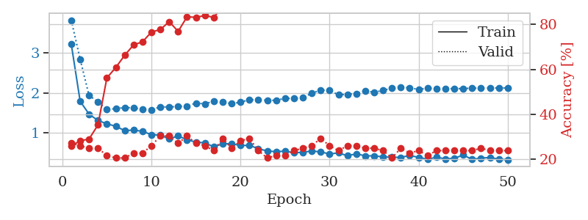
1.3800041468 | 1.7572468312 | 0.39402173913 | 0.26086956522 | 0.08468413353 | 39.402173913 | 26.086956522
1.2658273085 | 2.3472269514 | 0.35326086957 | 0.27173913043 | 0.08181977272 | 35.326086957 | 27.173913043
1.1813850714 | 1.7851195802 | 0.5 | 0.28260869565 | 0.085344314575 | 50 | 28.260869565
1.1590003345 | 1.6149736539 | 0.64673913043 | 0.26086956522 | 0.086181402206 | 64.673913043 | 26.086956522
1.0351883976 | 1.6561455727 | 0.67391304348 | 0.3152173913 | 0.082278728485 | 67.391304348 | 31.52173913
1.0591416877 | 1.6862536565 | 0.7527173913 | 0.27173913043 | 0.082504034042 | 75.27173913 | 27.173913043
0.97014255368 | 1.6928965683 | 0.78804347826 | 0.33695652174 | 0.082506656647 | 78.804347826 | 33.695652174
0.92636377138 | 1.7054917864 | 0.73097826087 | 0.29347826087 | 0.082687139511 | 73.097826087 | 29.347826087
0.86574482399 | 1.6949564892 | 0.82336956522 | 0.29347826087 | 0.084457397461 | 82.336956522 | 29.347826087
0.77147690628 | 1.7813621863 | 0.80706521739 | 0.28260869565 | 0.08220911026 | 80.706521739 | 28.260869565
0.72653645666 | 1.7890296967 | 0.76358695652 | 0.30434782609 | 0.081975460052 | 76.358695652 | 30.434782609
0.74271964768 | 1.7840348275 | 0.82065217391 | 0.30434782609 | 0.082206964493 | 82.065217391 | 30.434782609
0.7326673049 | 1.777138342 | 0.85326086957 | 0.29347826087 | 0.082142114639 | 85.326086957 | 29.347826087
0.72315405115 | 1.7778008554 | 0.79619565217 | 0.27173913043 | 0.083005666733 | 79.619565217 | 27.173913043
0.66861580247 | 1.8259550644 | 0.8125 | 0.29347826087 | 0.083085298538 | 81.25 | 29.347826087
0.63615370963 | 1.876172641 | 0.86684782609 | 0.27173913043 | 0.081991434097 | 86.684782609 | 27.173913043

0.6324465521 | 2.0327333419 | 0.82608695652 | 0.26086956522 | 0.08226275444 | 82.608695652 | 26.086956522
0.58592038699 | 1.8869034726 | 0.76630434783 | 0.3152173913 | 0.082011699677 | 76.630434783 | 31.52173913
0.58786353598 | 1.9547188386 | 0.91304347826 | 0.29347826087 | 0.082531452179 | 91.304347826 | 29.347826087
0.5746953468 | 2.0625523329 | 0.77717391304 | 0.28260869565 | 0.082066059113 | 77.717391304 | 28.260869565
0.59516169325 | 1.961671228 | 0.875 | 0.29347826087 | 0.08215546608 | 87.5 | 29.347826087
0.53274941833 | 2.0591742163 | 0.79076086957 | 0.29347826087 | 0.082098960876 | 79.076086957 | 29.347826087
0.53233254992 | 2.1291684897 | 0.82336956522 | 0.29347826087 | 0.082455158234 | 82.336956522 | 29.347826087
0.53352499656 | 1.9110405134 | 0.86413043478 | 0.28260869565 | 0.082314014435 | 86.413043478 | 28.260869565
0.47568588412 | 2.1572539858 | 0.81793478261 | 0.23913043478 | 0.08207154274 | 81.793478261 | 23.913043478
0.46704735445 | 2.1461446596 | 0.81793478261 | 0.29347826087 | 0.083625793457 | 81.793478261 | 29.347826087
0.50694735672 | 2.0746368118 | 0.89402173913 | 0.30434782609 | 0.082267522812 | 89.402173913 | 30.434782609
0.42711190102 | 2.1205712557 | 0.89673913043 | 0.27173913043 | 0.082226276398 | 89.673913043 | 27.173913043
0.38596019084 | 2.0964281507 | 0.90760869565 | 0.29347826087 | 0.084777116776 | 90.760869565 | 29.347826087
0.39093179806 | 2.0878895314 | 0.82608695652 | 0.25 | 0.082822799683 | 82.608695652 | 25
0.44787742327 | 2.0759449212 | 0.90217391304 | 0.28260869565 | 0.08295750618 | 90.217391304 | 28.260869565
0.3935213847 | 2.0976075711 | 0.90217391304 | 0.32608695652 | 0.082921981812 | 90.217391304 | 32.608695652
0.40510264039 | 2.1631575305 | 0.8722826087 | 0.29347826087 | 0.082642555237 | 87.22826087 | 29.347826087
0.38846370643 | 2.1911309854 | 0.86956521739 | 0.28260869565 | 0.08286190033 | 86.956521739 | 28.260869565
0.4260138879 | 2.1341347902 | 0.92934782609 | 0.30434782609 | 0.082654714584 | 92.934782609 | 30.434782609
0.38332220199 | 2.1186449424 | 0.92391304348 | 0.30434782609 | 0.082818508148 | 92.391304348 | 30.434782609
0.37510409109 | 2.1144602765 | 0.92663043478 | 0.28260869565 | 0.082863807678 | 92.663043478 | 28.260869565
0.3418512759 | 2.0960402903 | 0.92391304348 | 0.28260869565 | 0.082800149918 | 92.391304348 | 28.260869565
0.32520552627 | 2.0948679914 | 0.92119565217 | 0.29347826087 | 0.082655191422 | 92.119565217 | 29.347826087
0.33317233363 | 2.1326055268 | 0.92391304348 | 0.30434782609 | 0.084769487381 | 92.391304348 | 30.434782609
0.31017445611 | 2.1684301003 | 0.91576086957 | 0.29347826087 | 0.082506656647 | 91.576086957 | 29.347826087
0.30940686814 | 2.1599282856 | 0.91847826087 | 0.29347826087 | 0.082532644272 | 91.847826087 | 29.347826087
0.33942757417 | 2.1654778719 | 0.91847826087 | 0.30434782609 | 0.082389831543 | 91.847826087 | 30.434782609
0.34917255653 | 2.1638124767 | 0.92119565217 | 0.30434782609 | 0.082657337189 | 92.119565217 | 30.434782609
0.35402467976 | 2.1666829897 | 0.92119565217 | 0.29347826087 | 0.082587480545 | 92.119565217 | 29.347826087
0.30695829508 | 2.1618605852 | 0.92934782609 | 0.29347826087 | 0.082641124725 | 92.934782609 | 29.347826087
0.35636612903 | 2.1622982854 | 0.93206521739 | 0.29347826087 | 0.082607746124 | 93.206521739 | 29.347826087
0.26660407982 | 2.1618032455 | 0.9375 | 0.29347826087 | 0.082872390747 | 93.75 | 29.347826087

Best Val accuracy is 0.33695652173913043 and Best test accuracy is 0.31896551724137934
train_loss | valid_loss | train_accuracy | valid_accuracy | dur | train_misclass | valid_misclass
1.9920858197 | 1.8130284859 | 0.25 | 0.25 | 0.20987057686 | 25 | 25
1.3358752365 | 1.889393143 | 0.25543478261 | 0.21739130435 | 0.20988368988 | 25.543478261 | 21.739130435

1.2266670984 | 1.8600458632 | 0.25543478261 | 0.21739130435 | 0.20877218246 | 25.543478261 | 21.739130435
1.237076197 | 1.9990370222 | 0.25543478261 | 0.21739130435 | 0.21137309074 | 25.543478261 | 21.739130435
1.1461109493 | 2.3939245991 | 0.25543478261 | 0.21739130435 | 0.21132802963 | 25.543478261 | 21.739130435
1.1692063575 | 2.6312697452 | 0.25543478261 | 0.21739130435 | 0.20946192741 | 25.543478261 | 21.739130435
1.1458724478 | 2.6731985859 | 0.25543478261 | 0.21739130435 | 0.21065497398 | 25.543478261 | 21.739130435
1.1120237889 | 3.045427312 | 0.25543478261 | 0.21739130435 | 0.21157288551 | 25.543478261 | 21.739130435
1.11208131 | 3.2286311958 | 0.25543478261 | 0.21739130435 | 0.2109143734 | 25.543478261 | 21.739130435
1.0745427531 | 2.4619479698 | 0.25543478261 | 0.21739130435 | 0.20991015434 | 25.543478261 | 21.739130435
1.1071276431 | 2.2773320986 | 0.25543478261 | 0.21739130435 | 0.21130824089 | 25.543478261 | 21.739130435
1.0193676016 | 1.9051897733 | 0.25543478261 | 0.21739130435 | 0.20993947983 | 25.543478261 | 21.739130435
1.0837470112 | 1.973054409 | 0.25543478261 | 0.21739130435 | 0.20821166039 | 25.543478261 | 21.739130435
1.1059039935 | 1.6414327829 | 0.25543478261 | 0.21739130435 | 0.2120308876 | 25.543478261 | 21.739130435
1.1137009496 | 3.6712985764 | 0.25543478261 | 0.21739130435 | 0.21295237541 | 25.543478261 | 21.739130435
1.0473239759 | 1.8084592819 | 0.25543478261 | 0.21739130435 | 0.21093511581 | 25.543478261 | 21.739130435
1.0384625196 | 1.8217106487 | 0.24184782609 | 0.27173913043 | 0.21079158783 | 24.184782609 | 27.173913043
1.0579406904 | 2.1298426027 | 0.24184782609 | 0.27173913043 | 0.21115899086 | 24.184782609 | 27.173913043

1.010413613 | 1.8033794424 | 0.24184782609 | 0.27173913043 | 0.20846152306 | 24.184782609 | 27.173913043
1.1028539383 | 4.1200521511 | 0.2527173913 | 0.26086956522 | 0.20967245102 | 25.27173913 | 26.086956522
1.0679968285 | 2.1224457388 | 0.25543478261 | 0.21739130435 | 0.208101511 | 25.543478261 | 21.739130435
0.97599606151 | 4.8183494858 | 0.25543478261 | 0.21739130435 | 0.2069401741 | 25.543478261 | 21.739130435
0.98184664353 | 1.694001089 | 0.25543478261 | 0.21739130435 | 0.20934224129 | 25.543478261 | 21.739130435
0.94639730453 | 5.0677892436 | 0.2527173913 | 0.26086956522 | 0.21015262604 | 25.27173913 | 26.086956522
0.95348812445 | 11.954455127 | 0.2527173913 | 0.26086956522 | 0.20807027817 | 25.27173913 | 26.086956522
0.92025993181 | 11.264756949 | 0.2527173913 | 0.26086956522 | 0.21001386642 | 25.27173913 | 26.086956522
0.95987833324 | 12.201648049 | 0.2527173913 | 0.26086956522 | 0.20849752426 | 25.27173913 | 26.086956522
0.85590249818 | 15.90676515 | 0.2527173913 | 0.26086956522 | 0.21217799187 | 25.27173913 | 26.086956522
0.86994017207 | 14.405603326 | 0.2527173913 | 0.26086956522 | 0.20633172989 | 25.27173913 | 26.086956522
0.86753345832 | 13.755432668 | 0.2527173913 | 0.26086956522 | 0.20974254608 | 25.27173913 | 26.086956522
0.87150438843 | 17.241991416 | 0.2527173913 | 0.26086956522 | 0.21139740944 | 25.27173913 | 26.086956522
0.84979158251 | 16.308970783 | 0.2527173913 | 0.26086956522 | 0.21031546593 | 25.27173913 | 26.086956522
0.79756709415 | 15.554455964 | 0.2527173913 | 0.26086956522 | 0.21249628067 | 25.27173913 | 26.086956522
0.79306635908 | 15.179916879 | 0.2527173913 | 0.26086956522 | 0.20831751823 | 25.27173913 | 26.086956522
0.83606433091 | 18.90772579 | 0.2527173913 | 0.26086956522 | 0.20875501633 | 25.27173913 | 26.086956522
0.788209415 | 20.778709495 | 0.2527173913 | 0.26086956522 | 0.21041512489 | 25.27173913 | 26.086956522
0.82805518093 | 19.576080737 | 0.2527173913 | 0.26086956522 | 0.21159911156 | 25.27173913 | 26.086956522
0.8060763867 | 17.945228494 | 0.2527173913 | 0.26086956522 | 0.20996713638 | 25.27173913 | 26.086956522
0.77236170872 | 14.953905396 | 0.2527173913 | 0.26086956522 | 0.2120206356 | 25.27173913 | 26.086956522
0.80760656232 | 15.1216004 | 0.2527173913 | 0.26086956522 | 0.21319818497 | 25.27173913 | 26.086956522
0.77280803867 | 15.443088407 | 0.2527173913 | 0.26086956522 | 0.21087050438 | 25.27173913 | 26.086956522
0.7762325432 | 16.490557339 | 0.2527173913 | 0.26086956522 | 0.20908927917 | 25.27173913 | 26.086956522
0.7126304274 | 12.747562035 | 0.2527173913 | 0.26086956522 | 0.20855021477 | 25.27173913 | 26.086956522
0.76255330962 | 12.787255287 | 0.2527173913 | 0.26086956522 | 0.20729374886 | 25.27173913 | 26.086956522
0.80068276239 | 12.196216874 | 0.2527173913 | 0.26086956522 | 0.21114206314 | 25.27173913 | 26.086956522
0.77450330102 | 10.334780942 | 0.2527173913 | 0.26086956522 | 0.21172738075 | 25.27173913 | 26.086956522
0.74683115793 | 8.4623391317 | 0.2527173913 | 0.26086956522 | 0.21124720573 | 25.27173913 | 26.086956522
0.70079675576 | 6.6902477638 | 0.2527173913 | 0.26086956522 | 0.20902442932 | 25.27173913 | 26.086956522
0.75668221971 | 5.159603886 | 0.2527173913 | 0.26086956522 | 0.20878148079 | 25.27173913 | 26.086956522
0.74804970104 | 3.8068914724 | 0.2527173913 | 0.26086956522 | 0.20958662033 | 25.27173913 | 26.086956522

Best Val accuracy is 0.2717391304347826 and Best test accuracy is 0.25862068965517243

Sheet9


train_loss | valid_loss | train_accuracy | valid_accuracy | dur | train_misclass | valid_misclass
3.3091216709 | 2.8186860396 | 0.35326086957 | 0.21739130435 | 0.08761715889 | 35.326086957 | 21.739130435
1.560051918 | 2.4793698373 | 0.3777173913 | 0.28260869565 | 0.085870504379 | 37.77173913 | 28.260869565
1.3516205575 | 2.2007412392 | 0.39130434783 | 0.28260869565 | 0.082592010498 | 39.130434783 | 28.260869565
1.2808961194 | 1.9328343246 | 0.44565217391 | 0.25 | 0.082035541534 | 44.565217391 | 25
1.1657570134 | 1.6994845556 | 0.63858695652 | 0.23913043478 | 0.08170747757 | 63.858695652 | 23.913043478
1.1445264661 | 1.6725447074 | 0.66576086957 | 0.29347826087 | 0.08182144165 | 66.576086957 | 29.347826087
1.0665701991 | 1.6597271017 | 0.6902173913 | 0.23913043478 | 0.08195233345 | 69.02173913 | 23.913043478
1.0506550462 | 1.6599924875 | 0.71467391304 | 0.23913043478 | 0.081913232803 | 71.467391304 | 23.913043478
0.91717971667 | 1.6770207001 | 0.76086956522 | 0.26086956522 | 0.081884384155 | 76.086956522 | 26.086956522
0.93499069888 | 1.6526143033 | 0.7472826087 | 0.28260869565 | 0.081854343414 | 74.72826087 | 28.260869565
0.91850167513 | 1.6717878165 | 0.78260869565 | 0.22826086957 | 0.081889867783 | 78.260869565 | 22.826086957
0.89563411993 | 1.5889252113 | 0.80706521739 | 0.3152173913 | 0.081820964813 | 80.706521739 | 31.52173913
0.85122051187 | 1.6069887255 | 0.83152173913 | 0.26086956522 | 0.082049131393 | 83.152173913 | 26.086956522
0.79738444219 | 1.7008478279 | 0.84510869565 | 0.27173913043 | 0.086175441742 | 84.510869565 | 27.173913043
0.82075110337 | 1.6862240874 | 0.86413043478 | 0.33695652174 | 0.082288742065 | 86.413043478 | 33.695652174
0.69471193008 | 1.7385671502 | 0.83152173913 | 0.3152173913 | 0.081835746765 | 83.152173913 | 31.52173913
0.68922906207 | 1.7331861361 | 0.8777173913 | 0.26086956522 | 0.081623077393 | 87.77173913 | 26.086956522
0.74677300194 | 1.7911064158 | 0.86956521739 | 0.28260869565 | 0.082030296326 | 86.956521739 | 28.260869565
0.66799037742 | 1.8038349825 | 0.8777173913 | 0.25 | 0.0819876194 | 87.77173913 | 25
0.62651855401 | 2.0161147584 | 0.71195652174 | 0.29347826087 | 0.081897735596 | 71.195652174 | 29.347826087
0.63804037415 | 1.856111568 | 0.79619565217 | 0.30434782609 | 0.081693172455 | 79.619565217 | 30.434782609
0.5546160444 | 1.7861223376 | 0.91847826087 | 0.26086956522 | 0.081692695618 | 91.847826087 | 26.086956522
0.57889473827 | 1.8783089648 | 0.91576086957 | 0.28260869565 | 0.081679582596 | 91.576086957 | 28.260869565
0.52256058092 | 1.9877661985 | 0.78804347826 | 0.27173913043 | 0.081917762756 | 78.804347826 | 27.173913043
0.55731703535 | 1.8867565186 | 0.8777173913 | 0.25 | 0.081658840179 | 87.77173913 | 25
0.55161496414 | 1.8793000346 | 0.88858695652 | 0.27173913043 | 0.081578016281 | 88.858695652 | 27.173913043
0.50852551279 | 1.9369224051 | 0.8777173913 | 0.28260869565 | 0.088431835175 | 87.77173913 | 28.260869565
0.56596789801 | 1.9056014652 | 0.86956521739 | 0.25 | 0.082934856415 | 86.956521739 | 25
0.5222527171 | 1.8201558642 | 0.95380434783 | 0.28260869565 | 0.08232998848 | 95.380434783 | 28.260869565
0.47786996352 | 1.8223099864 | 0.94565217391 | 0.29347826087 | 0.082002639771 | 94.565217391 | 29.347826087
0.45464472667 | 1.8631135744 | 0.92934782609 | 0.29347826087 | 0.081975698471 | 92.934782609 | 29.347826087
0.45129839752 | 1.8494007743 | 0.95923913043 | 0.30434782609 | 0.081908941269 | 95.923913043 | 30.434782609
0.46785349172 | 1.9247624615 | 0.89945652174 | 0.23913043478 | 0.084322690964 | 89.945652174 | 23.913043478
0.5005659691 | 1.9550813851 | 0.91032608696 | 0.28260869565 | 0.082055807114 | 91.032608696 | 28.260869565
0.42573184488 | 1.8745334459 | 0.94293478261 | 0.29347826087 | 0.081812620163 | 94.293478261 | 29.347826087
0.41518472977 | 1.9362677491 | 0.95108695652 | 0.29347826087 | 0.082191944122 | 95.108695652 | 29.347826087
0.37284090661 | 1.9176540219 | 0.95380434783 | 0.29347826087 | 0.081911087036 | 95.380434783 | 29.347826087
0.36405254998 | 1.9371866506 | 0.9402173913 | 0.28260869565 | 0.082005500793 | 94.02173913 | 28.260869565
0.34837988926 | 1.9125931367 | 0.95652173913 | 0.27173913043 | 0.081835269928 | 95.652173913 | 27.173913043
0.41986825803 | 1.9338302249 | 0.92934782609 | 0.26086956522 | 0.081816673279 | 92.934782609 | 26.086956522
0.41205522353 | 1.9716323977 | 0.9347826087 | 0.27173913043 | 0.081888198853 | 93.47826087 | 27.173913043
0.39333145094 | 1.9964869282 | 0.92663043478 | 0.27173913043 | 0.082030534744 | 92.663043478 | 27.173913043
0.38718302937 | 1.9670861441 | 0.94836956522 | 0.27173913043 | 0.082106113434 | 94.836956522 | 27.173913043
0.3438607085 | 1.9432467015 | 0.97010869565 | 0.28260869565 | 0.08185505867 | 97.010869565 | 28.260869565
0.41013701714 | 1.950511979 | 0.96467391304 | 0.27173913043 | 0.081751585007 | 96.467391304 | 27.173913043
0.38098895161 | 1.9569404695 | 0.96467391304 | 0.27173913043 | 0.081876277924 | 96.467391304 | 27.173913043
0.34927665086 | 1.9631722699 | 0.96467391304 | 0.27173913043 | 0.081952095032 | 96.467391304 | 27.173913043
0.34322500035 | 1.9660300016 | 0.96467391304 | 0.27173913043 | 0.081833124161 | 96.467391304 | 27.173913043
0.35725600596 | 1.9653049967 | 0.96739130435 | 0.27173913043 | 0.081937551498 | 96.739130435 | 27.173913043
0.36733520614 | 1.9643783414 | 0.96739130435 | 0.27173913043 | 0.082043647766 | 96.739130435 | 27.173913043

Best Val accuracy is 0.33695652173913043 and Best test accuracy is 0.29310344827586204
train_loss | valid_loss | train_accuracy | valid_accuracy | dur | train_misclass | valid_misclass
3.1649501531 | 6.6849078925 | 0.27173913043 | 0.30434782609 | 0.084545373917 | 27.173913043 | 30.434782609
1.8571292991 | 3.7744673853 | 0.26358695652 | 0.27173913043 | 0.081860780716 | 26.358695652 | 27.173913043

1.376690849 | 2.0939335512 | 0.49184782609 | 0.22826086957 | 0.08180809021 | 49.184782609 | 22.826086957
1.2385710322 | 2.0056466227 | 0.54619565217 | 0.23913043478 | 0.081790685654 | 54.619565217 | 23.913043478
1.1816391608 | 2.0106172873 | 0.57336956522 | 0.20652173913 | 0.082072973251 | 57.336956522 | 20.652173913
1.1508466135 | 1.8365676351 | 0.59782608696 | 0.22826086957 | 0.082406520844 | 59.782608696 | 22.826086957
1.1033216896 | 1.8133448881 | 0.63315217391 | 0.23913043478 | 0.08194231987 | 63.315217391 | 23.913043478
1.0259323898 | 1.7670442592 | 0.66576086957 | 0.26086956522 | 0.082028865814 | 66.576086957 | 26.086956522
1.0083238897 | 1.7419958115 | 0.71739130435 | 0.23913043478 | 0.08198261261 | 71.739130435 | 23.913043478
0.93658730776 | 1.7885253792 | 0.76630434783 | 0.22826086957 | 0.082149982452 | 76.630434783 | 22.826086957
0.92423006244 | 1.8129097068 | 0.75815217391 | 0.25 | 0.082050561905 | 75.815217391 | 25
0.86276525259 | 1.8849166373 | 0.78260869565 | 0.23913043478 | 0.082066774368 | 78.260869565 | 23.913043478
0.81532359771 | 1.9337621772 | 0.8097826087 | 0.23913043478 | 0.082166910172 | 80.97826087 | 23.913043478
0.8304027617 | 1.9008530689 | 0.8152173913 | 0.25 | 0.081998825073 | 81.52173913 | 25
0.78247444396 | 1.9032450966 | 0.84510869565 | 0.27173913043 | 0.081919193268 | 84.510869565 | 27.173913043
0.79306828457 | 1.978704779 | 0.83423913043 | 0.26086956522 | 0.08195567131 | 83.423913043 | 26.086956522
0.75511487411 | 1.8644995534 | 0.86413043478 | 0.27173913043 | 0.082058668137 | 86.413043478 | 27.173913043
0.77091941367 | 1.952185864 | 0.86141304348 | 0.27173913043 | 0.081985712051 | 86.141304348 | 27.173913043

0.73927889311 | 1.9624320269 | 0.86956521739 | 0.25 | 0.082020759583 | 86.956521739 | 25
0.66609367469 | 1.907854697 | 0.8777173913 | 0.27173913043 | 0.082154512405 | 87.77173913 | 27.173913043
0.61819109321 | 1.8004377458 | 0.875 | 0.30434782609 | 0.08215713501 | 87.5 | 30.434782609
0.63575586029 | 1.806255382 | 0.82065217391 | 0.27173913043 | 0.082087755203 | 82.065217391 | 27.173913043
0.61163441837 | 1.8790253193 | 0.91576086957 | 0.27173913043 | 0.082036733627 | 91.576086957 | 27.173913043
0.67376662208 | 1.8749746188 | 0.90760869565 | 0.27173913043 | 0.082031488419 | 90.760869565 | 27.173913043
0.54809549451 | 1.9047105209 | 0.89402173913 | 0.28260869565 | 0.081997871399 | 89.402173913 | 28.260869565
0.52806087421 | 2.064218687 | 0.91032608696 | 0.30434782609 | 0.082044363022 | 91.032608696 | 30.434782609
0.56388426669 | 1.9511226001 | 0.95108695652 | 0.27173913043 | 0.081976413727 | 95.108695652 | 27.173913043
0.58308849257 | 1.9094191271 | 0.96195652174 | 0.29347826087 | 0.082020759583 | 96.195652174 | 29.347826087
0.5315698748 | 1.8527537999 | 0.96467391304 | 0.30434782609 | 0.081968545914 | 96.467391304 | 30.434782609
0.49912837083 | 1.9172527842 | 0.92119565217 | 0.28260869565 | 0.082067251205 | 92.119565217 | 28.260869565
0.46802769018 | 1.9256096767 | 0.96467391304 | 0.27173913043 | 0.08207321167 | 96.467391304 | 27.173913043
0.42591922439 | 1.8428381785 | 0.96195652174 | 0.28260869565 | 0.085786104202 | 96.195652174 | 28.260869565
0.43400459704 | 1.9862874746 | 0.95652173913 | 0.28260869565 | 0.08354640007 | 95.652173913 | 28.260869565
0.43849654496 | 1.9617247841 | 0.97826086957 | 0.28260869565 | 0.082926511765 | 97.826086957 | 28.260869565
0.40382945473 | 1.9174713726 | 0.96195652174 | 0.32608695652 | 0.082669973373 | 96.195652174 | 32.608695652
0.44539296044 | 1.9047055918 | 0.96739130435 | 0.32608695652 | 0.08270406723 | 96.739130435 | 32.608695652
0.43109078317 | 1.9238578548 | 0.97282608696 | 0.30434782609 | 0.082279205322 | 97.282608696 | 30.434782609
0.41823576196 | 1.943131649 | 0.98369565217 | 0.29347826087 | 0.082445859909 | 98.369565217 | 29.347826087
0.43871897362 | 1.9122990577 | 0.98097826087 | 0.30434782609 | 0.082319498062 | 98.097826087 | 30.434782609
0.38666635881 | 1.9005540713 | 0.97826086957 | 0.29347826087 | 0.082694768906 | 97.826086957 | 29.347826087
0.38075598103 | 1.9302424711 | 0.96739130435 | 0.27173913043 | 0.082753181458 | 96.739130435 | 27.173913043
0.41090304955 | 1.9564820839 | 0.97826086957 | 0.28260869565 | 0.082253217697 | 97.826086957 | 28.260869565
0.42040335614 | 1.9583317663 | 0.98641304348 | 0.29347826087 | 0.082409620285 | 98.641304348 | 29.347826087
0.40480466576 | 1.9579880393 | 0.98097826087 | 0.29347826087 | 0.082441329956 | 98.097826087 | 29.347826087
0.39379789777 | 1.964142136 | 0.97826086957 | 0.30434782609 | 0.082381486893 | 97.826086957 | 30.434782609
0.3929450039 | 1.9720395078 | 0.97554347826 | 0.29347826087 | 0.082293748856 | 97.554347826 | 29.347826087
0.3850169266 | 1.9791465065 | 0.97554347826 | 0.30434782609 | 0.082250595093 | 97.554347826 | 30.434782609
0.40633285694 | 1.9821285942 | 0.98097826087 | 0.30434782609 | 0.082316398621 | 98.097826087 | 30.434782609
0.3921404319 | 1.9840726438 | 0.98369565217 | 0.30434782609 | 0.082801103592 | 98.369565217 | 30.434782609
0.37368221581 | 1.986120395 | 0.98369565217 | 0.30434782609 | 0.08290719986 | 98.369565217 | 30.434782609

Best Val accuracy is 0.32608695652173914 and Best test accuracy is 0.45689655172413796
train_loss | valid_loss | train_accuracy | valid_accuracy | dur | train_misclass | valid_misclass
1.6431418191 | 1.4417571244 | 0.2527173913 | 0.26086956522 | 0.20837759972 | 25.27173913 | 26.086956522
1.3974480629 | 1.459393154 | 0.25 | 0.25 | 0.21042466164 | 25 | 25

1.3815262577 | 1.5751879785 | 0.25 | 0.25 | 0.21127843857 | 25 | 25
1.3817035063 | 1.4211810827 | 0.25543478261 | 0.21739130435 | 0.2122335434 | 25.543478261 | 21.739130435
1.3700497617 | 1.3984301142 | 0.25543478261 | 0.21739130435 | 0.20936059952 | 25.543478261 | 21.739130435
1.3395884348 | 1.4052888155 | 0.25 | 0.25 | 0.20877122879 | 25 | 25
1.3371183147 | 1.4054896987 | 0.25543478261 | 0.21739130435 | 0.21057224274 | 25.543478261 | 21.739130435
1.273636507 | 1.4103317105 | 0.25543478261 | 0.21739130435 | 0.20605349541 | 25.543478261 | 21.739130435
1.2490673583 | 1.4070533255 | 0.2527173913 | 0.26086956522 | 0.20721793175 | 25.27173913 | 26.086956522
1.2200771933 | 1.4632995802 | 0.2527173913 | 0.26086956522 | 0.21053647995 | 25.27173913 | 26.086956522
1.108734517 | 1.6640694867 | 0.2527173913 | 0.26086956522 | 0.2084209919 | 25.27173913 | 26.086956522
1.1497624387 | 1.7572276229 | 0.2527173913 | 0.26086956522 | 0.21146893501 | 25.27173913 | 26.086956522
1.0830469183 | 1.4154932654 | 0.24184782609 | 0.27173913043 | 0.20844340324 | 24.184782609 | 27.173913043
1.0391940086 | 2.4236229399 | 0.2527173913 | 0.26086956522 | 0.20895552635 | 25.27173913 | 26.086956522
0.96088633848 | 2.3126852305 | 0.2527173913 | 0.26086956522 | 0.2104010582 | 25.27173913 | 26.086956522
0.98946675529 | 2.2001330231 | 0.2527173913 | 0.26086956522 | 0.21048402786 | 25.27173913 | 26.086956522
0.9559209269 | 1.5881639356 | 0.2527173913 | 0.26086956522 | 0.21115875244 | 25.27173913 | 26.086956522
0.98593848166 | 3.4456587149 | 0.2527173913 | 0.26086956522 | 0.20919537544 | 25.27173913 | 26.086956522

1.0190852725 | 4.1116914231 | 0.2527173913 | 0.26086956522 | 0.20966935158 | 25.27173913 | 26.086956522
0.96405066874 | 8.9279150756 | 0.2527173913 | 0.26086956522 | 0.20977830887 | 25.27173913 | 26.086956522
0.89231554581 | 12.213353033 | 0.2527173913 | 0.26086956522 | 0.21155691147 | 25.27173913 | 26.086956522
0.94691184552 | 9.4137494875 | 0.2527173913 | 0.26086956522 | 0.21200966835 | 25.27173913 | 26.086956522
0.96659731606 | 6.378016845 | 0.2527173913 | 0.26086956522 | 0.21239280701 | 25.27173913 | 26.086956522
0.9298059422 | 6.9152164252 | 0.2527173913 | 0.26086956522 | 0.20860147476 | 25.27173913 | 26.086956522
0.87428128978 | 9.3257256383 | 0.2527173913 | 0.26086956522 | 0.20878171921 | 25.27173913 | 26.086956522
0.91501112088 | 2.5755860495 | 0.2527173913 | 0.26086956522 | 0.20894050598 | 25.27173913 | 26.086956522
0.9160457694 | 3.8293401573 | 0.2527173913 | 0.26086956522 | 0.20953154564 | 25.27173913 | 26.086956522
0.92843161199 | 1.6232362675 | 0.2527173913 | 0.26086956522 | 0.20920467377 | 25.27173913 | 26.086956522
0.89059621355 | 2.47514449 | 0.2527173913 | 0.26086956522 | 0.20934462547 | 25.27173913 | 26.086956522
0.84341382462 | 9.6294639007 | 0.2527173913 | 0.26086956522 | 0.21015691757 | 25.27173913 | 26.086956522
0.97992411645 | 11.332383612 | 0.2527173913 | 0.26086956522 | 0.21236872673 | 25.27173913 | 26.086956522
0.91780103549 | 11.341375309 | 0.2527173913 | 0.26086956522 | 0.21203136444 | 25.27173913 | 26.086956522
0.91543790568 | 11.513410278 | 0.2527173913 | 0.26086956522 | 0.20974826813 | 25.27173913 | 26.086956522
0.8284329772 | 15.556774471 | 0.2527173913 | 0.26086956522 | 0.20949625969 | 25.27173913 | 26.086956522
0.83541149031 | 12.60897201 | 0.2527173913 | 0.26086956522 | 0.2091152668 | 25.27173913 | 26.086956522
0.80688321331 | 10.505619712 | 0.2527173913 | 0.26086956522 | 0.2085018158 | 25.27173913 | 26.086956522
0.85611514423 | 9.3319241482 | 0.2527173913 | 0.26086956522 | 0.21089410782 | 25.27173913 | 26.086956522
0.85574336415 | 7.020642716 | 0.2527173913 | 0.26086956522 | 0.21084070206 | 25.27173913 | 26.086956522
0.84992036871 | 7.3142738342 | 0.2527173913 | 0.26086956522 | 0.21028709412 | 25.27173913 | 26.086956522
0.77311229576 | 7.290937942 | 0.2527173913 | 0.26086956522 | 0.21091651917 | 25.27173913 | 26.086956522
0.79402682963 | 7.4924095817 | 0.2527173913 | 0.26086956522 | 0.2108502388 | 25.27173913 | 26.086956522
0.815226516 | 6.5036853085 | 0.2527173913 | 0.26086956522 | 0.20873975754 | 25.27173913 | 26.086956522
0.8188627751 | 4.29332389 | 0.2527173913 | 0.26086956522 | 0.21100306511 | 25.27173913 | 26.086956522
0.81169354527 | 3.3399324417 | 0.2527173913 | 0.26086956522 | 0.20903134346 | 25.27173913 | 26.086956522
0.80962996638 | 1.9325025341 | 0.2527173913 | 0.26086956522 | 0.20986318588 | 25.27173913 | 26.086956522
0.77217937682 | 1.5243772787 | 0.2527173913 | 0.26086956522 | 0.21109843254 | 25.27173913 | 26.086956522
0.75952566966 | 1.0159300618 | 0.5 | 0.47826086957 | 0.20930504799 | 50 | 47.826086957
0.79526290427 | 0.89353471476 | 0.79076086957 | 0.73913043478 | 0.21296238899 | 79.076086957 | 73.913043478
0.80517454899 | 1.0087437941 | 0.35326086957 | 0.34782608696 | 0.21229290962 | 35.326086957 | 34.782608696
0.83171223298 | 1.2762033784 | 0.25543478261 | 0.21739130435 | 0.20822620392 | 25.543478261 | 21.739130435

Best Val accuracy is 0.7391304347826086 and Best test accuracy is 0.7758620689655172

Sheet10


train_loss | valid_loss | train_accuracy | valid_accuracy | dur | train_misclass | valid_misclass
3.1051414946 | 3.3495866216 | 0.26630434783 | 0.26086956522 | 0.084693908691 | 26.630434783 | 26.086956522
1.5839812341 | 1.6483974301 | 0.41032608696 | 0.22826086957 | 0.081874132156 | 41.032608696 | 22.826086957
1.3123492365 | 1.6876630317 | 0.58423913043 | 0.17391304348 | 0.08186674118 | 58.423913043 | 17.391304348
1.1988853916 | 1.7466228941 | 0.57608695652 | 0.21739130435 | 0.081755161285 | 57.608695652 | 21.739130435
1.1778618123 | 1.8009780645 | 0.64130434783 | 0.23913043478 | 0.082003593445 | 64.130434783 | 23.913043478
1.0853905056 | 1.8017370442 | 0.67119565217 | 0.25 | 0.081822633743 | 67.119565217 | 25
1.0079050116 | 1.902477762 | 0.69293478261 | 0.20652173913 | 0.081746101379 | 69.293478261 | 20.652173913
1.0249618007 | 1.8861731446 | 0.71195652174 | 0.23913043478 | 0.081666707993 | 71.195652174 | 23.913043478
0.98168179522 | 2.0635813112 | 0.70380434783 | 0.22826086957 | 0.082011461258 | 70.380434783 | 22.826086957
0.92378017825 | 1.9874928257 | 0.75543478261 | 0.22826086957 | 0.081872463226 | 75.543478261 | 22.826086957
0.88967469335 | 1.8359579833 | 0.79076086957 | 0.28260869565 | 0.081906557083 | 79.076086957 | 28.260869565
0.91824640139 | 1.8007107921 | 0.76902173913 | 0.27173913043 | 0.081916570663 | 76.902173913 | 27.173913043
0.80052837341 | 1.741386398 | 0.78532608696 | 0.26086956522 | 0.08177113533 | 78.532608696 | 26.086956522
0.83595805842 | 1.8937251775 | 0.79891304348 | 0.27173913043 | 0.081691026688 | 79.891304348 | 27.173913043
0.76687873576 | 1.8783623654 | 0.79891304348 | 0.22826086957 | 0.082114219666 | 79.891304348 | 22.826086957
0.79950883725 | 2.0307846069 | 0.83967391304 | 0.1847826087 | 0.082148551941 | 83.967391304 | 18.47826087
0.79139694183 | 1.9299420792 | 0.83967391304 | 0.26086956522 | 0.081856250763 | 83.967391304 | 26.086956522
0.70666461794 | 1.9207580712 | 0.74184782609 | 0.23913043478 | 0.081831216812 | 74.184782609 | 23.913043478
0.69616241818 | 2.0173380375 | 0.78260869565 | 0.25 | 0.081800699234 | 78.260869565 | 25
0.70688456297 | 1.9954702958 | 0.83695652174 | 0.26086956522 | 0.081840991974 | 83.695652174 | 26.086956522
0.70237056976 | 2.0500271942 | 0.86956521739 | 0.29347826087 | 0.081814289093 | 86.956521739 | 29.347826087
0.5806980146 | 1.9489400283 | 0.86956521739 | 0.22826086957 | 0.081875085831 | 86.956521739 | 22.826086957
0.64834412155 | 1.9965882612 | 0.8777173913 | 0.21739130435 | 0.081808567047 | 87.77173913 | 21.739130435
0.62847632429 | 2.2455016737 | 0.75 | 0.23913043478 | 0.08180308342 | 75 | 23.913043478
0.61366521535 | 1.9401279221 | 0.88858695652 | 0.21739130435 | 0.081751823425 | 88.858695652 | 21.739130435
0.51592584278 | 2.0572992822 | 0.8722826087 | 0.23913043478 | 0.081968784332 | 87.22826087 | 23.913043478
0.49972802854 | 2.0923742108 | 0.84510869565 | 0.25 | 0.081951618195 | 84.510869565 | 25
0.51528632446 | 2.0675432164 | 0.92663043478 | 0.22826086957 | 0.082176923752 | 92.663043478 | 22.826086957
0.46712162313 | 2.0997035814 | 0.8777173913 | 0.23913043478 | 0.084588766098 | 87.77173913 | 23.913043478
0.49513387162 | 2.0182198027 | 0.91576086957 | 0.27173913043 | 0.08221077919 | 91.576086957 | 27.173913043
0.50926327187 | 2.0204352607 | 0.91304347826 | 0.22826086957 | 0.082084417343 | 91.304347826 | 22.826086957
0.49722096065 | 2.0847514505 | 0.91304347826 | 0.25 | 0.082564115524 | 91.304347826 | 25
0.46386862708 | 2.0104743398 | 0.89945652174 | 0.23913043478 | 0.084085226059 | 89.945652174 | 23.913043478
0.44960615428 | 2.0425731203 | 0.92119565217 | 0.25 | 0.082077503204 | 92.119565217 | 25
0.44188470555 | 2.0281269343 | 0.91847826087 | 0.25 | 0.083719968796 | 91.847826087 | 25
0.44998684266 | 2.0252078409 | 0.92663043478 | 0.25 | 0.084413766861 | 92.663043478 | 25
0.40954435325 | 2.0652508528 | 0.92391304348 | 0.22826086957 | 0.083140134811 | 92.391304348 | 22.826086957
0.45974238152 | 2.0548245907 | 0.9375 | 0.22826086957 | 0.084456682205 | 93.75 | 22.826086957
0.43080652408 | 2.0233247591 | 0.96739130435 | 0.23913043478 | 0.082263469696 | 96.739130435 | 23.913043478
0.37409138356 | 2.0481117394 | 0.95923913043 | 0.25 | 0.082400083542 | 95.923913043 | 25
0.40472440292 | 2.0306347868 | 0.96739130435 | 0.23913043478 | 0.082195281982 | 96.739130435 | 23.913043478
0.43462606941 | 2.0463683398 | 0.96739130435 | 0.23913043478 | 0.082477807999 | 96.739130435 | 23.913043478
0.39651269822 | 2.0460831082 | 0.96467391304 | 0.25 | 0.082499027252 | 96.467391304 | 25
0.37755217047 | 2.0475844093 | 0.96739130435 | 0.25 | 0.082290410995 | 96.739130435 | 25
0.4312765851 | 2.0461401525 | 0.97826086957 | 0.23913043478 | 0.082366228104 | 97.826086957 | 23.913043478
0.37218125391 | 2.0526810833 | 0.97826086957 | 0.22826086957 | 0.082359075546 | 97.826086957 | 22.826086957
0.40284277175 | 2.0518028218 | 0.97826086957 | 0.22826086957 | 0.082171440125 | 97.826086957 | 22.826086957
0.38882864396 | 2.0521074482 | 0.97826086957 | 0.22826086957 | 0.082156896591 | 97.826086957 | 22.826086957
0.35460786327 | 2.0525803566 | 0.97826086957 | 0.22826086957 | 0.082281351089 | 97.826086957 | 22.826086957
0.40280416543 | 2.0518300948 | 0.97826086957 | 0.22826086957 | 0.082517623901 | 97.826086957 | 22.826086957

Best Val accuracy is 0.29347826086956524 and Best test accuracy is 0.41379310344827586
train_loss | valid_loss | train_accuracy | valid_accuracy | dur | train_misclass | valid_misclass
3.7597540669 | 15.63053297 | 0.3097826087 | 0.29347826087 | 0.083453893661 | 30.97826087 | 29.347826087
1.6134858598 | 4.3077998576 | 0.3125 | 0.3152173913 | 0.081851482391 | 31.25 | 31.52173913

1.39750363 | 2.8784552139 | 0.35054347826 | 0.28260869565 | 0.081803798676 | 35.054347826 | 28.260869565
1.343873931 | 2.3204083754 | 0.38586956522 | 0.29347826087 | 0.081919908524 | 38.586956522 | 29.347826087
1.2869461438 | 1.8571478439 | 0.51902173913 | 0.26086956522 | 0.082002401352 | 51.902173913 | 26.086956522
1.204014335 | 1.6596777335 | 0.63043478261 | 0.23913043478 | 0.082020998001 | 63.043478261 | 23.913043478
1.1760796542 | 1.8423706708 | 0.56793478261 | 0.27173913043 | 0.081907987595 | 56.793478261 | 27.173913043
1.0674297473 | 1.6790723438 | 0.72282608696 | 0.27173913043 | 0.082007646561 | 72.282608696 | 27.173913043
0.99523426916 | 1.6698262173 | 0.72282608696 | 0.25 | 0.085029125214 | 72.282608696 | 25
1.0030930664 | 1.681620064 | 0.7527173913 | 0.29347826087 | 0.082956552505 | 75.27173913 | 29.347826087
0.93999598078 | 1.6929287651 | 0.77173913043 | 0.27173913043 | 0.082438230515 | 77.173913043 | 27.173913043
0.8608235976 | 1.7277375356 | 0.78532608696 | 0.29347826087 | 0.082181453705 | 78.532608696 | 29.347826087
0.8552965159 | 1.7470897436 | 0.79619565217 | 0.32608695652 | 0.082508325577 | 79.619565217 | 32.608695652
0.82992743539 | 1.7613617389 | 0.80434782609 | 0.27173913043 | 0.082570075989 | 80.434782609 | 27.173913043
0.78328284556 | 1.8542190997 | 0.80434782609 | 0.28260869565 | 0.082374334335 | 80.434782609 | 28.260869565
0.752447219 | 1.7462079784 | 0.77445652174 | 0.26086956522 | 0.082171201706 | 77.445652174 | 26.086956522
0.74276207452 | 1.7449472469 | 0.85326086957 | 0.30434782609 | 0.082366228104 | 85.326086957 | 30.434782609
0.72683439954 | 1.7033110909 | 0.89402173913 | 0.29347826087 | 0.082265615463 | 89.402173913 | 29.347826087

0.66379324897 | 1.7951170258 | 0.90489130435 | 0.28260869565 | 0.082199573517 | 90.489130435 | 28.260869565
0.66687180426 | 1.7324692011 | 0.89673913043 | 0.28260869565 | 0.082240581512 | 89.673913043 | 28.260869565
0.67196365932 | 1.7894648054 | 0.84239130435 | 0.29347826087 | 0.084167718887 | 84.239130435 | 29.347826087
0.61728515962 | 1.9349585875 | 0.77717391304 | 0.26086956522 | 0.082341909409 | 77.717391304 | 26.086956522
0.66838243604 | 1.7977200436 | 0.84782608696 | 0.29347826087 | 0.082644939423 | 84.782608696 | 29.347826087
0.54682921391 | 1.9154840293 | 0.86413043478 | 0.3152173913 | 0.082586526871 | 86.413043478 | 31.52173913
0.50761176127 | 1.9320673269 | 0.79076086957 | 0.3152173913 | 0.082389831543 | 79.076086957 | 31.52173913
0.59389672137 | 1.9743442743 | 0.80434782609 | 0.27173913043 | 0.083502054214 | 80.434782609 | 27.173913043
0.53207997524 | 1.9957172197 | 0.76358695652 | 0.3152173913 | 0.082431554794 | 76.358695652 | 31.52173913
0.4874492495 | 2.1311506137 | 0.70108695652 | 0.30434782609 | 0.085542201996 | 70.108695652 | 30.434782609
0.47662426272 | 1.993293529 | 0.84239130435 | 0.29347826087 | 0.082805156708 | 84.239130435 | 29.347826087
0.45658067258 | 2.1077287353 | 0.82336956522 | 0.27173913043 | 0.082918405533 | 82.336956522 | 27.173913043
0.41447112223 | 2.1387738767 | 0.8152173913 | 0.26086956522 | 0.082550764084 | 81.52173913 | 26.086956522
0.48222194191 | 2.1597485128 | 0.8152173913 | 0.27173913043 | 0.082250595093 | 81.52173913 | 27.173913043
0.42721374527 | 2.2629388052 | 0.77717391304 | 0.25 | 0.082191228867 | 77.717391304 | 25
0.43738229832 | 2.0807477028 | 0.8152173913 | 0.26086956522 | 0.082686901093 | 81.52173913 | 26.086956522
0.42171264407 | 2.1307263582 | 0.79891304348 | 0.26086956522 | 0.082272052765 | 79.891304348 | 26.086956522
0.46928335273 | 2.0729246295 | 0.84239130435 | 0.28260869565 | 0.0830078125 | 84.239130435 | 28.260869565
0.41069600245 | 2.1015138782 | 0.83967391304 | 0.27173913043 | 0.082576990128 | 83.967391304 | 27.173913043
0.4462969193 | 2.0854151715 | 0.91304347826 | 0.27173913043 | 0.082429647446 | 91.304347826 | 27.173913043
0.38476662597 | 2.0901910067 | 0.89130434783 | 0.29347826087 | 0.082516908646 | 89.130434783 | 29.347826087
0.4035148504 | 2.0951198547 | 0.89402173913 | 0.28260869565 | 0.082362174988 | 89.402173913 | 28.260869565
0.39700693086 | 2.0884123419 | 0.89130434783 | 0.29347826087 | 0.082524061203 | 89.130434783 | 29.347826087
0.41861955109 | 2.1557834822 | 0.88043478261 | 0.29347826087 | 0.08255648613 | 88.043478261 | 29.347826087
0.41593559281 | 2.1511107528 | 0.89130434783 | 0.30434782609 | 0.082880020142 | 89.130434783 | 30.434782609
0.3425914386 | 2.1366895385 | 0.89673913043 | 0.3152173913 | 0.082593202591 | 89.673913043 | 31.52173913
0.38366866565 | 2.1251691476 | 0.90217391304 | 0.29347826087 | 0.082435369492 | 90.217391304 | 29.347826087
0.37761314213 | 2.1149867773 | 0.91576086957 | 0.28260869565 | 0.082583427429 | 91.576086957 | 28.260869565
0.37251394598 | 2.108869449 | 0.92119565217 | 0.28260869565 | 0.082763910294 | 92.119565217 | 28.260869565
0.43324509522 | 2.1060698136 | 0.92119565217 | 0.28260869565 | 0.08288025856 | 92.119565217 | 28.260869565
0.33948701102 | 2.1046069549 | 0.92391304348 | 0.28260869565 | 0.08250784874 | 92.391304348 | 28.260869565
0.37954997368 | 2.1035264005 | 0.92663043478 | 0.28260869565 | 0.082559108734 | 92.663043478 | 28.260869565

Best Val accuracy is 0.32608695652173914 and Best test accuracy is 0.4482758620689655
train_loss | valid_loss | train_accuracy | valid_accuracy | dur | train_misclass | valid_misclass
1.7434896386 | 3.4889821488 | 0.25543478261 | 0.21739130435 | 0.21004700661 | 25.543478261 | 21.739130435
1.3770939993 | 2.3485362011 | 0.25543478261 | 0.21739130435 | 0.20779490471 | 25.543478261 | 21.739130435

1.3222532739 | 2.7137682127 | 0.25543478261 | 0.21739130435 | 0.20945072174 | 25.543478261 | 21.739130435
1.2375852958 | 1.8765059865 | 0.25543478261 | 0.21739130435 | 0.20866584778 | 25.543478261 | 21.739130435
1.238001572 | 2.7303245379 | 0.25543478261 | 0.21739130435 | 0.21143579483 | 25.543478261 | 21.739130435
1.2376119313 | 2.2553923752 | 0.25543478261 | 0.21739130435 | 0.20717120171 | 25.543478261 | 21.739130435
1.1486932687 | 2.8521213117 | 0.25543478261 | 0.21739130435 | 0.21124339104 | 25.543478261 | 21.739130435
1.1929711881 | 3.3141493694 | 0.25543478261 | 0.21739130435 | 0.20715618134 | 25.543478261 | 21.739130435
1.1586042461 | 2.4535696403 | 0.25543478261 | 0.21739130435 | 0.21136069298 | 25.543478261 | 21.739130435
1.1694931932 | 1.7641465197 | 0.25543478261 | 0.21739130435 | 0.21012330055 | 25.543478261 | 21.739130435
1.1078415332 | 1.7795543308 | 0.25543478261 | 0.21739130435 | 0.21040701866 | 25.543478261 | 21.739130435
1.1149208753 | 1.6337810185 | 0.25543478261 | 0.21739130435 | 0.20848941803 | 25.543478261 | 21.739130435
1.0519015763 | 1.3520793656 | 0.2527173913 | 0.26086956522 | 0.20912408829 | 25.27173913 | 26.086956522
1.0615648031 | 2.0555617136 | 0.2527173913 | 0.26086956522 | 0.20856451988 | 25.27173913 | 26.086956522
1.0733398329 | 1.3678330909 | 0.2527173913 | 0.26086956522 | 0.2094347477 | 25.27173913 | 26.086956522
1.0776187 | 1.5485062185 | 0.2527173913 | 0.26086956522 | 0.20940709114 | 25.27173913 | 26.086956522
1.006889916 | 1.6857297524 | 0.25543478261 | 0.21739130435 | 0.20895028114 | 25.543478261 | 21.739130435
1.0264598028 | 2.9605013702 | 0.25543478261 | 0.21739130435 | 0.21117019653 | 25.543478261 | 21.739130435

0.99174491996 | 2.2649190737 | 0.2527173913 | 0.26086956522 | 0.21112632751 | 25.27173913 | 26.086956522
0.98643116588 | 3.2958846196 | 0.2527173913 | 0.26086956522 | 0.21163678169 | 25.27173913 | 26.086956522
1.0383288964 | 3.7963872681 | 0.2527173913 | 0.26086956522 | 0.21103143692 | 25.27173913 | 26.086956522
0.96511224819 | 4.7587498375 | 0.2527173913 | 0.26086956522 | 0.20595860481 | 25.27173913 | 26.086956522
0.98348409197 | 4.5287657821 | 0.2527173913 | 0.26086956522 | 0.21107172966 | 25.27173913 | 26.086956522
1.0037522471 | 8.9178536871 | 0.2527173913 | 0.26086956522 | 0.21096372604 | 25.27173913 | 26.086956522
0.9645529519 | 11.860129688 | 0.2527173913 | 0.26086956522 | 0.21216249466 | 25.27173913 | 26.086956522
0.90635851414 | 9.8156362202 | 0.2527173913 | 0.26086956522 | 0.21148920059 | 25.27173913 | 26.086956522
0.89825352379 | 12.771861698 | 0.2527173913 | 0.26086956522 | 0.21241760254 | 25.27173913 | 26.086956522
0.97049335293 | 5.3420659977 | 0.2527173913 | 0.26086956522 | 0.21162819862 | 25.27173913 | 26.086956522
0.91931038836 | 12.7088973 | 0.2527173913 | 0.26086956522 | 0.21064257622 | 25.27173913 | 26.086956522
0.90371454021 | 11.865562066 | 0.2527173913 | 0.26086956522 | 0.2142598629 | 25.27173913 | 26.086956522
0.92896646261 | 12.048957327 | 0.2527173913 | 0.26086956522 | 0.20986104012 | 25.27173913 | 26.086956522
0.89112215586 | 13.8673121 | 0.2527173913 | 0.26086956522 | 0.21131443977 | 25.27173913 | 26.086956522
0.88940161985 | 13.566210042 | 0.2527173913 | 0.26086956522 | 0.21172618866 | 25.27173913 | 26.086956522
0.86638094031 | 19.012598701 | 0.2527173913 | 0.26086956522 | 0.21178174019 | 25.27173913 | 26.086956522
0.81871985612 | 16.9245377 | 0.2527173913 | 0.26086956522 | 0.20928454399 | 25.27173913 | 26.086956522
0.8941632276 | 16.02887477 | 0.2527173913 | 0.26086956522 | 0.20865225792 | 25.27173913 | 26.086956522
0.79069604563 | 13.381441863 | 0.2527173913 | 0.26086956522 | 0.20798325539 | 25.27173913 | 26.086956522
0.88380168832 | 13.870226362 | 0.2527173913 | 0.26086956522 | 0.21109724045 | 25.27173913 | 26.086956522
0.91431383724 | 17.808661834 | 0.2527173913 | 0.26086956522 | 0.21041512489 | 25.27173913 | 26.086956522
0.80566231582 | 19.632220144 | 0.2527173913 | 0.26086956522 | 0.21004009247 | 25.27173913 | 26.086956522
0.81367166405 | 13.908529365 | 0.2527173913 | 0.26086956522 | 0.20947217941 | 25.27173913 | 26.086956522
0.82610230601 | 8.6353253904 | 0.2527173913 | 0.26086956522 | 0.21214270592 | 25.27173913 | 26.086956522
0.81734604939 | 6.5788865504 | 0.2527173913 | 0.26086956522 | 0.21036052704 | 25.27173913 | 26.086956522
0.83639831128 | 5.1757690388 | 0.2527173913 | 0.26086956522 | 0.21109366417 | 25.27173913 | 26.086956522
0.76164669576 | 3.0388631406 | 0.2527173913 | 0.26086956522 | 0.20939230919 | 25.27173913 | 26.086956522
0.813467868 | 2.9541374393 | 0.2527173913 | 0.26086956522 | 0.21145200729 | 25.27173913 | 26.086956522
0.80247119458 | 1.8473860699 | 0.2527173913 | 0.26086956522 | 0.2128098011 | 25.27173913 | 26.086956522
0.78423111335 | 1.398005781 | 0.2527173913 | 0.26086956522 | 0.20887994766 | 25.27173913 | 26.086956522
0.81491311737 | 1.1293861918 | 0.33695652174 | 0.28260869565 | 0.20944952965 | 33.695652174 | 28.260869565
0.78369368159 | 0.99607319158 | 0.61684782609 | 0.52173913043 | 0.2105910778 | 61.684782609 | 52.173913043

Best Val accuracy is 0.5217391304347826 and Best test accuracy is 0.5517241379310345

