Sheet
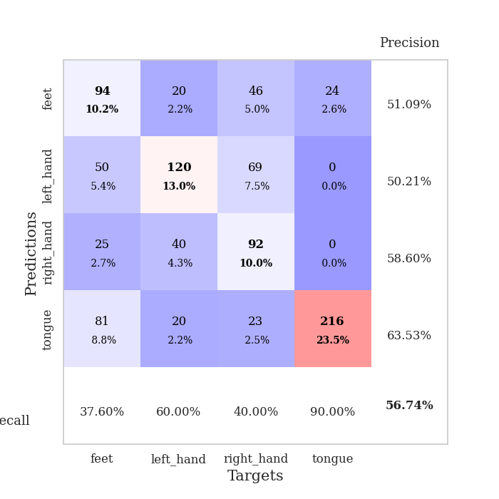
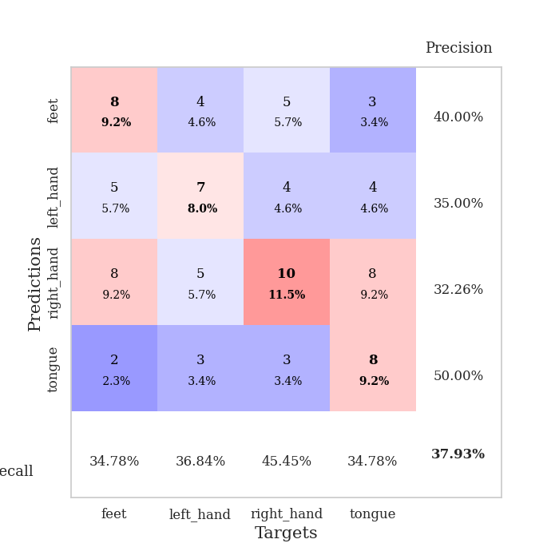
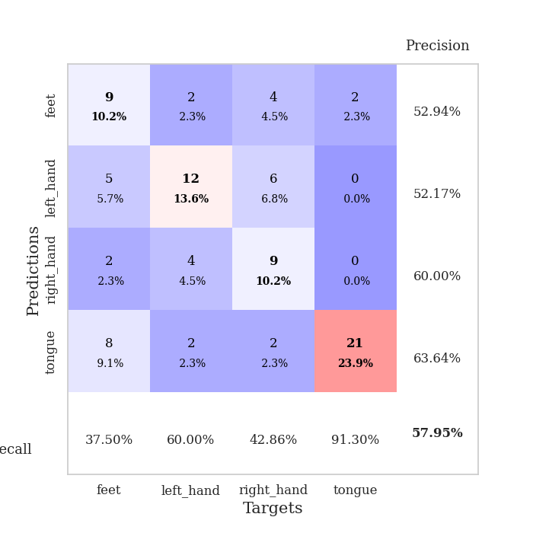
best_val_acc | best_val_los | best_test_acc
0.35869565217 | 1.5607105027 | 0.35344827586
0.35869565217 | 1.5809453104 | 0.33620689655
0.39130434783 | 1.5635270088 | 0.3275862069
0.39130434783 | 1.6490378639 | 0.36206896552
0.41304347826 | 1.6651061307 | 0.31896551724
0.39130434783 | 1.691812479 | 0.37931034483
0.39130434783 | 1.5476230279 | 0.33620689655
0.34782608696 | 1.7905488688 | 0.29310344828
0.36956521739 | 1.6243281727 | 0.36206896552
0.32608695652 | 1.4437729328 | 0.31896551724

Mean,std Val accuracy is 0.3739130434782609 , 0.026227479812831685 and mean, std test accuracy is 0.3387931034482759 , 0.0257179894658212
best_val_acc | best_val_los | best_test_acc
0.26086956522 | 1.4353326766 | 0.23275862069
0.53260869565 | 1.0167959203 | 0.48275862069
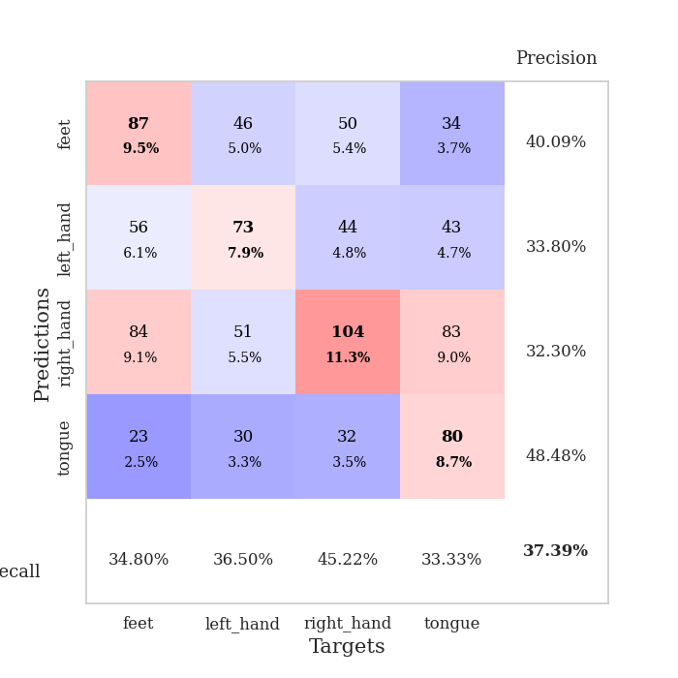
0.72826086957 | 0.83524427984 | 0.74137931034
0.47826086957 | 1.400288105 | 0.49137931034
0.52173913043 | 1.3876703304 | 0.50862068966
0.47826086957 | 1.2230982677 | 0.49137931034
0.6847826087 | 0.96585285923 | 0.61206896552
1 | 0.74615842622 | 1
0.51086956522 | 1.0462139715 | 0.48275862069
0.47826086957 | 1.1947964326 | 0.49137931034

Mean,std Val accuracy is 0.5673913043478261 , 0.19750863736998642 and mean, std test accuracy is 0.5534482758620689 , 0.20126433499412222

Sheet1
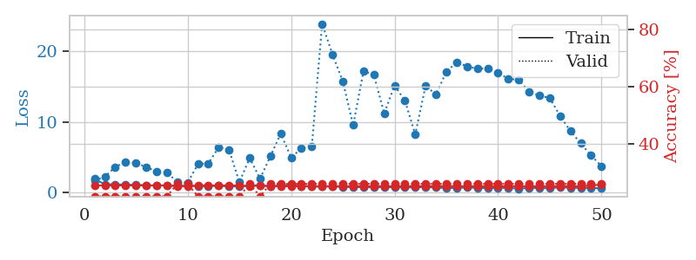
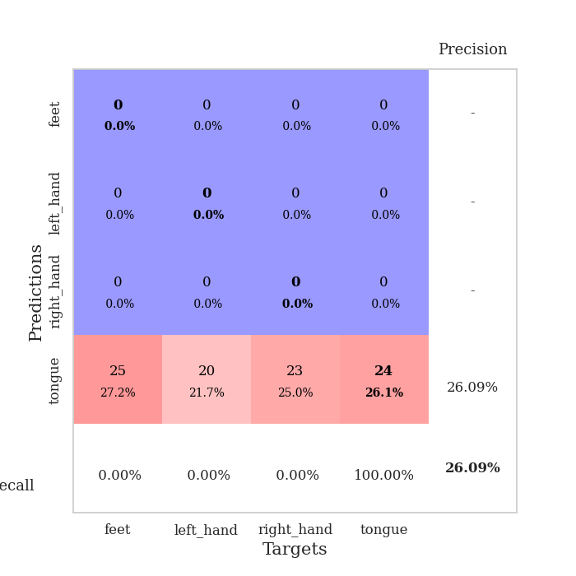
train_loss | valid_loss | train_accuracy | valid_accuracy | dur | train_misclass | valid_misclass
3.4189453851 | 8.35844637 | 0.24184782609 | 0.27173913043 | 0.084250688553 | 24.184782609 | 27.173913043
1.7230319459 | 3.8879877277 | 0.24184782609 | 0.27173913043 | 0.082322835922 | 24.184782609 | 27.173913043
1.419175827 | 2.3575524921 | 0.26358695652 | 0.26086956522 | 0.081923961639 | 26.358695652 | 26.086956522
1.3047225268 | 1.9646634226 | 0.30434782609 | 0.25 | 0.082177877426 | 30.434782609 | 25
1.1914210501 | 1.7649865824 | 0.46739130435 | 0.27173913043 | 0.081849575043 | 46.739130435 | 27.173913043
1.1135863714 | 1.6710269296 | 0.63858695652 | 0.30434782609 | 0.081924915314 | 63.858695652 | 30.434782609
1.0671120856 | 1.5607105027 | 0.6875 | 0.35869565217 | 0.081894397736 | 68.75 | 35.869565217
0.96383444382 | 1.7853470315 | 0.68206521739 | 0.32608695652 | 0.082031488419 | 68.206521739 | 32.608695652
0.95315579487 | 1.7080768399 | 0.77717391304 | 0.30434782609 | 0.081622123718 | 77.717391304 | 30.434782609
0.93751956587 | 1.7741660735 | 0.79891304348 | 0.30434782609 | 0.082350730896 | 79.891304348 | 30.434782609
0.86177942286 | 1.7285382333 | 0.82336956522 | 0.3152173913 | 0.082125663757 | 82.336956522 | 31.52173913
0.79947565042 | 1.8619427137 | 0.83423913043 | 0.3152173913 | 0.082459926605 | 83.423913043 | 31.52173913
0.79606273252 | 1.874176383 | 0.86141304348 | 0.32608695652 | 0.082223415375 | 86.141304348 | 32.608695652
0.7148579061 | 1.9603217063 | 0.85869565217 | 0.29347826087 | 0.082272052765 | 85.869565217 | 29.347826087
0.70441186687 | 2.0060012703 | 0.8777173913 | 0.30434782609 | 0.08256983757 | 87.77173913 | 30.434782609
0.74107135379 | 2.0197112301 | 0.91576086957 | 0.33695652174 | 0.082495212555 | 91.576086957 | 33.695652174
0.72640804234 | 2.007910516 | 0.89130434783 | 0.32608695652 | 0.082456350327 | 89.130434783 | 32.608695652
0.55908748896 | 2.0817186055 | 0.89945652174 | 0.32608695652 | 0.082421064377 | 89.945652174 | 32.608695652
0.61828151864 | 2.201176576 | 0.86413043478 | 0.29347826087 | 0.082414627075 | 86.413043478 | 29.347826087
0.61701570516 | 2.0445844453 | 0.9347826087 | 0.35869565217 | 0.081900835037 | 93.47826087 | 35.869565217
0.50099356278 | 2.160945146 | 0.91032608696 | 0.30434782609 | 0.082043647766 | 91.032608696 | 30.434782609
0.56594932209 | 2.3982403123 | 0.88858695652 | 0.29347826087 | 0.082068443298 | 88.858695652 | 29.347826087
0.62957403453 | 2.2034374139 | 0.95108695652 | 0.30434782609 | 0.081853151321 | 95.108695652 | 30.434782609
0.57017132834 | 2.3745902258 | 0.89402173913 | 0.29347826087 | 0.083718061447 | 89.402173913 | 29.347826087
0.50365626812 | 2.2300896541 | 0.94565217391 | 0.30434782609 | 0.081831693649 | 94.565217391 | 30.434782609
0.47668583238 | 2.4174237199 | 0.91847826087 | 0.3152173913 | 0.081990480423 | 91.847826087 | 31.52173913
0.50613097847 | 2.3078489459 | 0.95652173913 | 0.32608695652 | 0.082286596298 | 95.652173913 | 32.608695652
0.45198341491 | 2.3166874543 | 0.94565217391 | 0.30434782609 | 0.082399368286 | 94.565217391 | 30.434782609
0.41993564367 | 2.2686509723 | 0.95652173913 | 0.32608695652 | 0.082183122635 | 95.652173913 | 32.608695652
0.46639541051 | 2.2445243493 | 0.95380434783 | 0.29347826087 | 0.082197666168 | 95.380434783 | 29.347826087
0.40055731846 | 2.3245584913 | 0.9375 | 0.29347826087 | 0.082348108292 | 93.75 | 29.347826087
0.44814127036 | 2.3220370541 | 0.9347826087 | 0.29347826087 | 0.084169864655 | 93.47826087 | 29.347826087
0.41156077612 | 2.4355431173 | 0.95108695652 | 0.28260869565 | 0.082504987717 | 95.108695652 | 28.260869565
0.37254211307 | 2.4453604014 | 0.9375 | 0.3152173913 | 0.082537889481 | 93.75 | 31.52173913
0.38016053775 | 2.3914238422 | 0.95380434783 | 0.30434782609 | 0.082159757614 | 95.380434783 | 30.434782609
0.35399398013 | 2.358982988 | 0.96739130435 | 0.32608695652 | 0.082434177399 | 96.739130435 | 32.608695652
0.36457844467 | 2.4269721249 | 0.96467391304 | 0.32608695652 | 0.082464694977 | 96.467391304 | 32.608695652
0.35021390863 | 2.4747192911 | 0.96195652174 | 0.32608695652 | 0.082558631897 | 96.195652174 | 32.608695652
0.36203345462 | 2.4134378641 | 0.96195652174 | 0.3152173913 | 0.084388017654 | 96.195652174 | 31.52173913
0.35477830826 | 2.3691515197 | 0.97010869565 | 0.33695652174 | 0.082170009613 | 97.010869565 | 33.695652174
0.3350567714 | 2.4177795649 | 0.96467391304 | 0.32608695652 | 0.082231760025 | 96.467391304 | 32.608695652
0.36073078345 | 2.4506354125 | 0.95652173913 | 0.30434782609 | 0.082265138626 | 95.652173913 | 30.434782609
0.3351652904 | 2.4221022803 | 0.96739130435 | 0.29347826087 | 0.081983566284 | 96.739130435 | 29.347826087
0.29886275886 | 2.4169549735 | 0.97826086957 | 0.33695652174 | 0.082324028015 | 97.826086957 | 33.695652174
0.33197207652 | 2.4339383063 | 0.97282608696 | 0.32608695652 | 0.082190513611 | 97.282608696 | 32.608695652
0.34332394859 | 2.4386261805 | 0.97554347826 | 0.33695652174 | 0.082121133804 | 97.554347826 | 33.695652174
0.29091387696 | 2.4426255071 | 0.97826086957 | 0.33695652174 | 0.08238196373 | 97.826086957 | 33.695652174
0.30042336978 | 2.4426667949 | 0.98097826087 | 0.33695652174 | 0.082316875458 | 98.097826087 | 33.695652174
0.31712732237 | 2.444161752 | 0.98097826087 | 0.33695652174 | 0.082285642624 | 98.097826087 | 33.695652174
0.28926055133 | 2.4437440841 | 0.98369565217 | 0.33695652174 | 0.085548400879 | 98.369565217 | 33.695652174

Best Val accuracy is 0.358695652173913 and Best test accuracy is 0.35344827586206895
train_loss | valid_loss | train_accuracy | valid_accuracy | dur | train_misclass | valid_misclass
1.961889267 | 1.7300017347 | 0.25543478261 | 0.21739130435 | 0.20998430252 | 25.543478261 | 21.739130435
1.1834785524 | 2.2796006514 | 0.25543478261 | 0.21739130435 | 0.21092748642 | 25.543478261 | 21.739130435
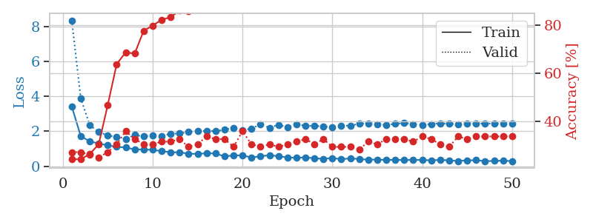
1.2005598623 | 3.6478293979 | 0.25543478261 | 0.21739130435 | 0.21104121208 | 25.543478261 | 21.739130435
1.1456352343 | 4.3506280028 | 0.25543478261 | 0.21739130435 | 0.21310377121 | 25.543478261 | 21.739130435
1.1157699979 | 4.2183503897 | 0.25543478261 | 0.21739130435 | 0.21012616158 | 25.543478261 | 21.739130435
1.0776305924 | 3.6369743244 | 0.25543478261 | 0.21739130435 | 0.21017718315 | 25.543478261 | 21.739130435
1.0219021932 | 2.9911281026 | 0.25543478261 | 0.21739130435 | 0.21215772629 | 25.543478261 | 21.739130435
1.0601836002 | 2.8791476851 | 0.25543478261 | 0.21739130435 | 0.21091985703 | 25.543478261 | 21.739130435
0.98159636363 | 1.4928566062 | 0.2527173913 | 0.26086956522 | 0.20936203003 | 25.27173913 | 26.086956522
0.9970272002 | 1.4353326766 | 0.2527173913 | 0.26086956522 | 0.21006250381 | 25.27173913 | 26.086956522
0.92699685563 | 4.055179824 | 0.25543478261 | 0.21739130435 | 0.21247339249 | 25.543478261 | 21.739130435
0.91794142775 | 4.1328951172 | 0.25543478261 | 0.21739130435 | 0.21038866043 | 25.543478261 | 21.739130435
0.9836031354 | 6.4417763378 | 0.25543478261 | 0.21739130435 | 0.20945811272 | 25.543478261 | 21.739130435
0.89296899412 | 6.072693265 | 0.25543478261 | 0.21739130435 | 0.21184277534 | 25.543478261 | 21.739130435
0.90471797663 | 1.5090616475 | 0.25543478261 | 0.21739130435 | 0.20969438553 | 25.543478261 | 21.739130435
1.0117310856 | 4.9081854406 | 0.2527173913 | 0.26086956522 | 0.21293640137 | 25.27173913 | 26.086956522
1.0695352891 | 1.9904655788 | 0.25543478261 | 0.21739130435 | 0.21081137657 | 25.543478261 | 21.739130435
0.88446755772 | 5.1548970057 | 0.2527173913 | 0.26086956522 | 0.21097826958 | 25.27173913 | 26.086956522
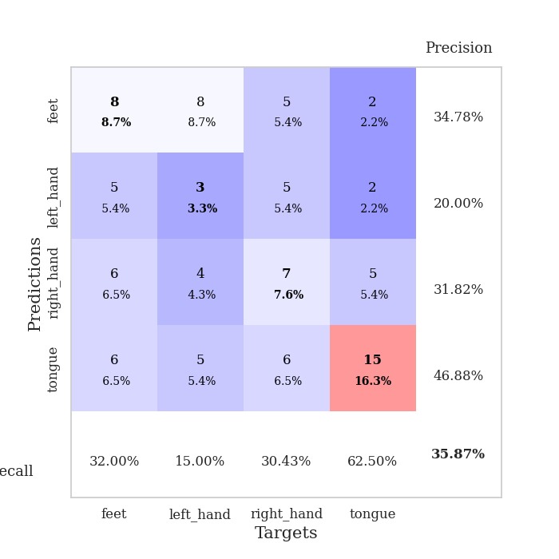
1.0659034589 | 8.3605046272 | 0.2527173913 | 0.26086956522 | 0.20976281166 | 25.27173913 | 26.086956522
1.0091036791 | 5.0111643957 | 0.2527173913 | 0.26086956522 | 0.2090408802 | 25.27173913 | 26.086956522
0.9653143209 | 6.2534128894 | 0.2527173913 | 0.26086956522 | 0.2122066021 | 25.27173913 | 26.086956522
0.87477253053 | 6.5264394387 | 0.2527173913 | 0.26086956522 | 0.2113070488 | 25.27173913 | 26.086956522
0.86780053377 | 23.881819103 | 0.2527173913 | 0.26086956522 | 0.21034145355 | 25.27173913 | 26.086956522
0.88749991811 | 19.560983077 | 0.2527173913 | 0.26086956522 | 0.20945858955 | 25.27173913 | 26.086956522
0.81866843286 | 15.744652416 | 0.2527173913 | 0.26086956522 | 0.21235609055 | 25.27173913 | 26.086956522
0.79441559056 | 9.556058552 | 0.2527173913 | 0.26086956522 | 0.21195673943 | 25.27173913 | 26.086956522
0.7990145152 | 17.207149174 | 0.2527173913 | 0.26086956522 | 0.21274447441 | 25.27173913 | 26.086956522
0.76066436586 | 16.656132118 | 0.2527173913 | 0.26086956522 | 0.21193361282 | 25.27173913 | 26.086956522
0.78557801895 | 11.221217902 | 0.2527173913 | 0.26086956522 | 0.21129536629 | 25.27173913 | 26.086956522
0.75632715484 | 15.143425485 | 0.2527173913 | 0.26086956522 | 0.20982527733 | 25.27173913 | 26.086956522
0.75984536565 | 13.051005032 | 0.2527173913 | 0.26086956522 | 0.21130228043 | 25.27173913 | 26.086956522
0.76203013633 | 8.250134323 | 0.2527173913 | 0.26086956522 | 0.21155714989 | 25.27173913 | 26.086956522
0.79105492519 | 15.144754327 | 0.2527173913 | 0.26086956522 | 0.20955228806 | 25.27173913 | 26.086956522
0.7376543439 | 13.881483285 | 0.2527173913 | 0.26086956522 | 0.20869588852 | 25.27173913 | 26.086956522
0.66448404867 | 17.095271152 | 0.2527173913 | 0.26086956522 | 0.21078968048 | 25.27173913 | 26.086956522
0.68684518985 | 18.458829216 | 0.2527173913 | 0.26086956522 | 0.21126317978 | 25.27173913 | 26.086956522
0.73407621617 | 17.873253283 | 0.2527173913 | 0.26086956522 | 0.2106564045 | 25.27173913 | 26.086956522
0.6974578746 | 17.521411149 | 0.2527173913 | 0.26086956522 | 0.21154332161 | 25.27173913 | 26.086956522
0.65122279395 | 17.625269931 | 0.2527173913 | 0.26086956522 | 0.20875477791 | 25.27173913 | 26.086956522
0.67827395771 | 16.939333294 | 0.2527173913 | 0.26086956522 | 0.21090960503 | 25.27173913 | 26.086956522
0.70069879293 | 16.134396802 | 0.2527173913 | 0.26086956522 | 0.20695853233 | 25.27173913 | 26.086956522
0.57320507324 | 15.940078611 | 0.2527173913 | 0.26086956522 | 0.21137785912 | 25.27173913 | 26.086956522
0.69495824368 | 14.29915084 | 0.2527173913 | 0.26086956522 | 0.21031355858 | 25.27173913 | 26.086956522
0.66252277727 | 13.73757889 | 0.2527173913 | 0.26086956522 | 0.21005749702 | 25.27173913 | 26.086956522
0.63657720322 | 13.400795356 | 0.2527173913 | 0.26086956522 | 0.21039795876 | 25.27173913 | 26.086956522
0.78775361051 | 10.847801665 | 0.2527173913 | 0.26086956522 | 0.21044158936 | 25.27173913 | 26.086956522
0.7045761891 | 8.7249338316 | 0.2527173913 | 0.26086956522 | 0.21081352234 | 25.27173913 | 26.086956522
0.68777562483 | 6.9791620503 | 0.2527173913 | 0.26086956522 | 0.21252989769 | 25.27173913 | 26.086956522
0.67205272809 | 5.2634274234 | 0.25543478261 | 0.26086956522 | 0.21103310585 | 25.543478261 | 26.086956522
0.63211838188 | 3.7755937576 | 0.25815217391 | 0.26086956522 | 0.21393060684 | 25.815217391 | 26.086956522

Best Val accuracy is 0.2608695652173913 and Best test accuracy is 0.23275862068965517

Sheet2
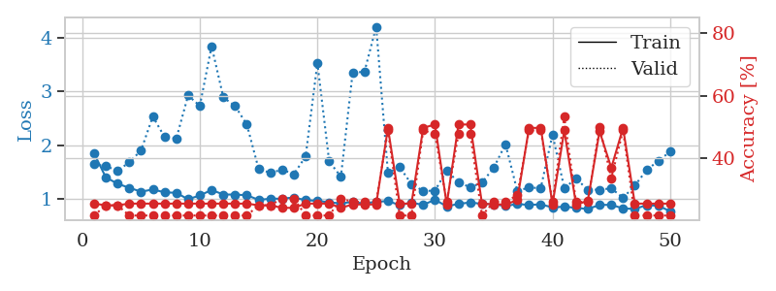
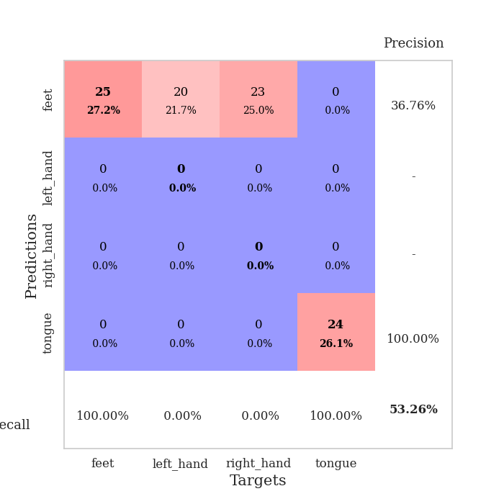
train_loss | valid_loss | train_accuracy | valid_accuracy | dur | train_misclass | valid_misclass
3.6306111813 | 5.8810528776 | 0.25543478261 | 0.28260869565 | 0.089502811432 | 25.543478261 | 28.260869565
1.6631321181 | 3.1753022982 | 0.26630434783 | 0.29347826087 | 0.089720964432 | 26.630434783 | 29.347826087
1.410578339 | 2.0575199024 | 0.34782608696 | 0.29347826087 | 0.097539901733 | 34.782608696 | 29.347826087
1.3285181341 | 1.9222635031 | 0.36413043478 | 0.3152173913 | 0.082990169525 | 36.413043478 | 31.52173913
1.2836443886 | 1.6893305001 | 0.53804347826 | 0.33695652174 | 0.08553981781 | 53.804347826 | 33.695652174
1.2104773651 | 1.6558600353 | 0.57880434783 | 0.28260869565 | 0.08175611496 | 57.880434783 | 28.260869565
1.1740098466 | 1.6559204485 | 0.58152173913 | 0.30434782609 | 0.081604003906 | 58.152173913 | 30.434782609
1.1148056906 | 1.5809453104 | 0.64130434783 | 0.28260869565 | 0.081806898117 | 64.130434783 | 28.260869565
1.0622135012 | 1.7081531805 | 0.57880434783 | 0.3152173913 | 0.083562374115 | 57.880434783 | 31.52173913
1.0381376717 | 1.6646330097 | 0.65489130435 | 0.33695652174 | 0.08188533783 | 65.489130435 | 33.695652174
0.98728528489 | 1.803649524 | 0.65217391304 | 0.30434782609 | 0.081913709641 | 65.217391304 | 30.434782609
0.94924270329 | 1.8164850681 | 0.64673913043 | 0.29347826087 | 0.081821203232 | 64.673913043 | 29.347826087
0.91300558266 | 1.8421584212 | 0.63043478261 | 0.29347826087 | 0.082026481628 | 63.043478261 | 29.347826087
0.84456310842 | 1.8199588682 | 0.64673913043 | 0.25 | 0.082052946091 | 64.673913043 | 25
0.85202482472 | 1.7484433133 | 0.71467391304 | 0.26086956522 | 0.082103013992 | 71.467391304 | 26.086956522
0.79503262302 | 1.6801093972 | 0.73097826087 | 0.34782608696 | 0.08193397522 | 73.097826087 | 34.782608696
0.8316779953 | 1.7563486514 | 0.78804347826 | 0.3152173913 | 0.082138299942 | 78.804347826 | 31.52173913
0.74493429194 | 1.9162201622 | 0.76358695652 | 0.3152173913 | 0.08199596405 | 76.358695652 | 31.52173913
0.67852763508 | 1.8371216577 | 0.80434782609 | 0.32608695652 | 0.082380771637 | 80.434782609 | 32.608695652
0.66154386038 | 1.9410978608 | 0.69836956522 | 0.30434782609 | 0.082029342651 | 69.836956522 | 30.434782609
0.69010738316 | 2.0596700181 | 0.76630434783 | 0.32608695652 | 0.082073450089 | 76.630434783 | 32.608695652
0.64428832997 | 1.8656956424 | 0.83695652174 | 0.35869565217 | 0.081990480423 | 83.695652174 | 35.869565217
0.62131239603 | 2.0375433849 | 0.75815217391 | 0.27173913043 | 0.082293987274 | 75.815217391 | 27.173913043
0.54866147689 | 2.2624905524 | 0.64945652174 | 0.25 | 0.082159757614 | 64.945652174 | 25
0.54037218638 | 1.8498168354 | 0.86413043478 | 0.34782608696 | 0.081918478012 | 86.413043478 | 34.782608696
0.50621658952 | 2.116014237 | 0.76086956522 | 0.28260869565 | 0.082224369049 | 76.086956522 | 28.260869565
0.53388362864 | 1.9508387783 | 0.86141304348 | 0.29347826087 | 0.081876516342 | 86.141304348 | 29.347826087
0.4551026549 | 2.0334126483 | 0.85054347826 | 0.29347826087 | 0.081939220428 | 85.054347826 | 29.347826087
0.43421318609 | 2.012818295 | 0.8722826087 | 0.32608695652 | 0.081978082657 | 87.22826087 | 32.608695652
0.43473068528 | 2.0682558806 | 0.85869565217 | 0.23913043478 | 0.082056045532 | 85.869565217 | 23.913043478
0.42372052177 | 2.0813375815 | 0.89945652174 | 0.29347826087 | 0.082298278809 | 89.945652174 | 29.347826087
0.33997296898 | 2.1005911879 | 0.89130434783 | 0.29347826087 | 0.08203959465 | 89.130434783 | 29.347826087
0.43470304297 | 2.0100890294 | 0.9375 | 0.29347826087 | 0.081891059875 | 93.75 | 29.347826087
0.3731070284 | 2.1679399325 | 0.88586956522 | 0.27173913043 | 0.08211350441 | 88.586956522 | 27.173913043
0.42679779232 | 2.197682277 | 0.90217391304 | 0.27173913043 | 0.082020282745 | 90.217391304 | 27.173913043
0.37729040307 | 2.0460257478 | 0.95108695652 | 0.32608695652 | 0.082291603088 | 95.108695652 | 32.608695652
0.37783676192 | 2.0718808796 | 0.95380434783 | 0.32608695652 | 0.081957578659 | 95.380434783 | 32.608695652
0.38304085706 | 2.1776909414 | 0.91576086957 | 0.28260869565 | 0.081990718842 | 91.576086957 | 28.260869565
0.34685119371 | 2.0743817713 | 0.94565217391 | 0.28260869565 | 0.082168102264 | 94.565217391 | 28.260869565
0.421170534 | 2.0588337857 | 0.96739130435 | 0.28260869565 | 0.082216978073 | 96.739130435 | 28.260869565
0.34389530576 | 2.1362868444 | 0.96195652174 | 0.27173913043 | 0.082056522369 | 96.195652174 | 27.173913043
0.29501212194 | 2.1583944818 | 0.94293478261 | 0.27173913043 | 0.08212018013 | 94.293478261 | 27.173913043
0.35471275902 | 2.1597928327 | 0.95380434783 | 0.26086956522 | 0.082305192947 | 95.380434783 | 26.086956522
0.31296707398 | 2.1559582586 | 0.95923913043 | 0.26086956522 | 0.082155704498 | 95.923913043 | 26.086956522
0.34307662236 | 2.1588583355 | 0.95652173913 | 0.27173913043 | 0.082359075546 | 95.652173913 | 27.173913043
0.29209159282 | 2.1445369358 | 0.96467391304 | 0.28260869565 | 0.08188867569 | 96.467391304 | 28.260869565
0.37705451509 | 2.1455557813 | 0.96467391304 | 0.28260869565 | 0.082379102707 | 96.467391304 | 28.260869565
0.38869211078 | 2.1446960698 | 0.96467391304 | 0.28260869565 | 0.08204627037 | 96.467391304 | 28.260869565
0.30461327149 | 2.1459161561 | 0.96467391304 | 0.28260869565 | 0.082053422928 | 96.467391304 | 28.260869565
0.29529751092 | 2.1461039885 | 0.96467391304 | 0.28260869565 | 0.082081079483 | 96.467391304 | 28.260869565

Best Val accuracy is 0.358695652173913 and Best test accuracy is 0.33620689655172414
train_loss | valid_loss | train_accuracy | valid_accuracy | dur | train_misclass | valid_misclass
1.849000314 | 1.642373764 | 0.25543478261 | 0.21739130435 | 0.20866107941 | 25.543478261 | 21.739130435
1.3997784905 | 1.6083081546 | 0.25 | 0.25 | 0.2093770504 | 25 | 25
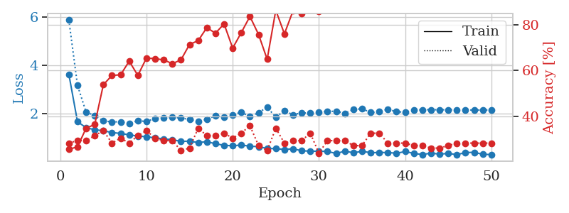
1.2800240309 | 1.5243505965 | 0.25 | 0.25 | 0.21171975136 | 25 | 25
1.2038135684 | 1.6785656836 | 0.25543478261 | 0.21739130435 | 0.21314930916 | 25.543478261 | 21.739130435
1.1318524791 | 1.9029522201 | 0.25543478261 | 0.21739130435 | 0.21078276634 | 25.543478261 | 21.739130435
1.1724746409 | 2.5363178564 | 0.25543478261 | 0.21739130435 | 0.20836639404 | 25.543478261 | 21.739130435
1.1201449892 | 2.1520768352 | 0.25543478261 | 0.21739130435 | 0.20842790604 | 25.543478261 | 21.739130435
1.1100958067 | 2.1236120203 | 0.25543478261 | 0.21739130435 | 0.20848727226 | 25.543478261 | 21.739130435
0.98985530501 | 2.9277953998 | 0.25543478261 | 0.21739130435 | 0.20983123779 | 25.543478261 | 21.739130435
1.0618335086 | 2.7341142323 | 0.25543478261 | 0.21739130435 | 0.20921993256 | 25.543478261 | 21.739130435
1.1637338555 | 3.8489707242 | 0.25543478261 | 0.21739130435 | 0.20857954025 | 25.543478261 | 21.739130435
1.078852441 | 2.8909800675 | 0.25543478261 | 0.21739130435 | 0.2097363472 | 25.543478261 | 21.739130435
1.0777750948 | 2.7302256771 | 0.25543478261 | 0.21739130435 | 0.20825147629 | 25.543478261 | 21.739130435
1.0652889661 | 2.3843419345 | 0.25543478261 | 0.21739130435 | 0.21104121208 | 25.543478261 | 21.739130435
0.97886356841 | 1.5558715229 | 0.25 | 0.25 | 0.21056723595 | 25 | 25
1.0001183593 | 1.4828023859 | 0.25 | 0.25 | 0.21206283569 | 25 | 25
1.0018281211 | 1.5424843871 | 0.24184782609 | 0.27173913043 | 0.21293926239 | 24.184782609 | 27.173913043
1.023594255 | 1.459457952 | 0.24184782609 | 0.27173913043 | 0.21160340309 | 24.184782609 | 27.173913043
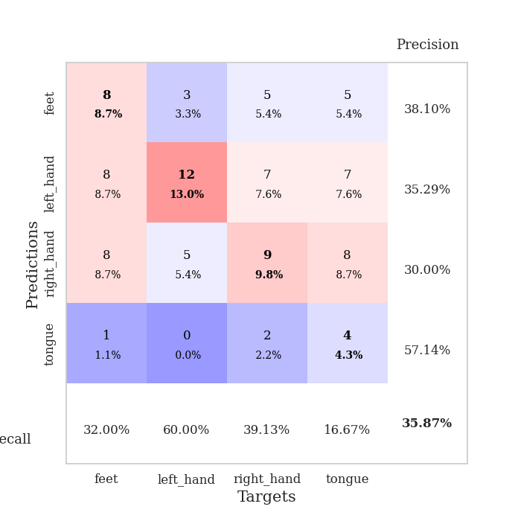
0.97181460132 | 1.7892465021 | 0.25543478261 | 0.21739130435 | 0.21039915085 | 25.543478261 | 21.739130435
0.96213757473 | 3.5356856222 | 0.25543478261 | 0.21739130435 | 0.21086645126 | 25.543478261 | 21.739130435
0.93219254846 | 1.6979452216 | 0.25543478261 | 0.21739130435 | 0.21149849892 | 25.543478261 | 21.739130435
0.91393272773 | 1.4109035419 | 0.24184782609 | 0.27173913043 | 0.21061873436 | 24.184782609 | 27.173913043
0.94042381774 | 3.3580753389 | 0.2527173913 | 0.26086956522 | 0.21155786514 | 25.27173913 | 26.086956522
0.90933524267 | 3.3675875042 | 0.2527173913 | 0.26086956522 | 0.21051955223 | 25.27173913 | 26.086956522
0.94466659297 | 4.2122161181 | 0.2527173913 | 0.26086956522 | 0.21017146111 | 25.27173913 | 26.086956522
0.95471081526 | 1.4811639371 | 0.4972826087 | 0.48913043478 | 0.2111685276 | 49.72826087 | 48.913043478
0.88264291442 | 1.5904478664 | 0.25543478261 | 0.21739130435 | 0.21266007423 | 25.543478261 | 21.739130435
0.92550950465 | 1.2736699892 | 0.25543478261 | 0.21739130435 | 0.21010088921 | 25.543478261 | 21.739130435
0.88608919019 | 1.1454050489 | 0.4972826087 | 0.48913043478 | 0.20907378197 | 49.72826087 | 48.913043478
0.98205106155 | 1.1506151376 | 0.50815217391 | 0.47826086957 | 0.21037173271 | 50.815217391 | 47.826086957
0.85777974388 | 1.5264456324 | 0.2527173913 | 0.26086956522 | 0.20900964737 | 25.27173913 | 26.086956522
0.90384655413 | 1.3065221465 | 0.50815217391 | 0.47826086957 | 0.2091858387 | 50.815217391 | 47.826086957
0.93051315131 | 1.2136452768 | 0.50815217391 | 0.47826086957 | 0.20828580856 | 50.815217391 | 47.826086957
0.90372899563 | 1.3023931306 | 0.25543478261 | 0.21739130435 | 0.20566296577 | 25.543478261 | 21.739130435
0.89770472309 | 1.5773278889 | 0.2527173913 | 0.26086956522 | 0.2091088295 | 25.27173913 | 26.086956522
0.86553376654 | 2.0195225011 | 0.2527173913 | 0.26086956522 | 0.20995259285 | 25.27173913 | 26.086956522
0.90065570759 | 1.1479025768 | 0.26630434783 | 0.28260869565 | 0.21132659912 | 26.630434783 | 28.260869565
0.88490372119 | 1.2070926428 | 0.4972826087 | 0.48913043478 | 0.2100687027 | 49.72826087 | 48.913043478
0.89487555493 | 1.1994100498 | 0.4972826087 | 0.48913043478 | 0.20873117447 | 49.72826087 | 48.913043478
0.83711796222 | 2.2002179519 | 0.2527173913 | 0.26086956522 | 0.21090364456 | 25.27173913 | 26.086956522
0.85238516072 | 1.1970244698 | 0.48913043478 | 0.53260869565 | 0.21114563942 | 48.913043478 | 53.260869565
0.82943140683 | 1.376828883 | 0.2527173913 | 0.26086956522 | 0.20941495895 | 25.27173913 | 26.086956522
0.80839424548 | 1.1671721313 | 0.26358695652 | 0.26086956522 | 0.21086645126 | 26.358695652 | 26.086956522
0.88372598783 | 1.1683546668 | 0.48641304348 | 0.5 | 0.21232771873 | 48.641304348 | 50
0.8866582772 | 1.1939235615 | 0.36956521739 | 0.33695652174 | 0.21196842194 | 36.956521739 | 33.695652174
0.81810063642 | 1.0167959203 | 0.4972826087 | 0.48913043478 | 0.20962786674 | 49.72826087 | 48.913043478
0.81083572947 | 1.2459265408 | 0.25543478261 | 0.21739130435 | 0.20968008041 | 25.543478261 | 21.739130435
0.87952431389 | 1.5326116137 | 0.25543478261 | 0.21739130435 | 0.21226477623 | 25.543478261 | 21.739130435
0.86900012908 | 1.7086733683 | 0.25543478261 | 0.21739130435 | 0.21033000946 | 25.543478261 | 21.739130435
0.76695767693 | 1.8775344672 | 0.25543478261 | 0.21739130435 | 0.20839285851 | 25.543478261 | 21.739130435

Best Val accuracy is 0.532608695652174 and Best test accuracy is 0.4827586206896552

Sheet3
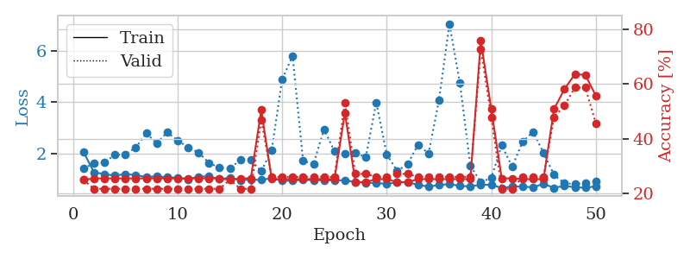
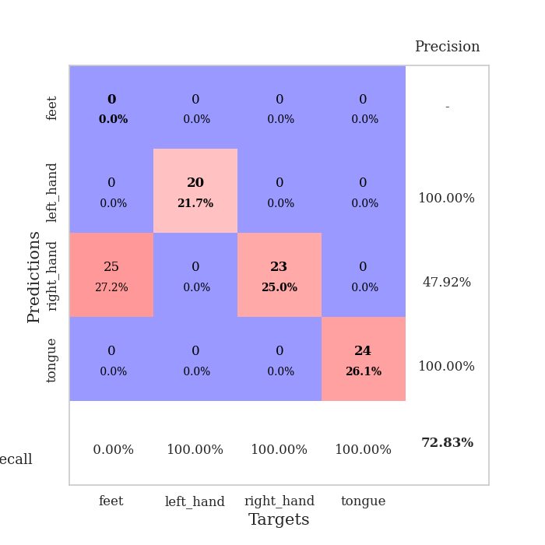
train_loss | valid_loss | train_accuracy | valid_accuracy | dur | train_misclass | valid_misclass
4.1882380765 | 8.1793045376 | 0.29619565217 | 0.23913043478 | 0.083666324615 | 29.619565217 | 23.913043478
1.6572143824 | 1.8581118739 | 0.32608695652 | 0.26086956522 | 0.083662509918 | 32.608695652 | 26.086956522
1.3392540139 | 2.2827547322 | 0.29619565217 | 0.25 | 0.082473754883 | 29.619565217 | 25
1.3219150408 | 1.6983179839 | 0.49456521739 | 0.28260869565 | 0.081887245178 | 49.456521739 | 28.260869565
1.2248433077 | 1.7459905407 | 0.54891304348 | 0.29347826087 | 0.082318305969 | 54.891304348 | 29.347826087
1.1225608458 | 1.6538212558 | 0.48913043478 | 0.32608695652 | 0.083441972733 | 48.913043478 | 32.608695652
1.1560684209 | 1.5635270088 | 0.67934782609 | 0.30434782609 | 0.08781504631 | 67.934782609 | 30.434782609
1.0792489777 | 1.6219516682 | 0.6902173913 | 0.28260869565 | 0.081832885742 | 69.02173913 | 28.260869565
1.0523476134 | 1.7407280518 | 0.70380434783 | 0.22826086957 | 0.08202457428 | 70.380434783 | 22.826086957
1.0174814981 | 1.6644719062 | 0.73913043478 | 0.25 | 0.081834793091 | 73.913043478 | 25
0.99536723935 | 1.8122552996 | 0.73913043478 | 0.26086956522 | 0.082048892975 | 73.913043478 | 26.086956522
0.89115502523 | 1.729373227 | 0.77717391304 | 0.32608695652 | 0.082109212875 | 77.717391304 | 32.608695652
0.89248719941 | 1.9602644288 | 0.63315217391 | 0.28260869565 | 0.081728935242 | 63.315217391 | 28.260869565
0.88078122294 | 1.7490352548 | 0.78804347826 | 0.30434782609 | 0.08180642128 | 78.804347826 | 30.434782609
0.86567604412 | 1.7843443155 | 0.79076086957 | 0.34782608696 | 0.081862688065 | 79.076086957 | 34.782608696
0.84742144139 | 1.7513908873 | 0.82880434783 | 0.39130434783 | 0.082036733627 | 82.880434783 | 39.130434783
0.7936688532 | 1.7759664836 | 0.88315217391 | 0.33695652174 | 0.082123756409 | 88.315217391 | 33.695652174
0.80588419541 | 1.7590464561 | 0.86141304348 | 0.33695652174 | 0.081868171692 | 86.141304348 | 33.695652174
0.73870468528 | 1.7910706841 | 0.85326086957 | 0.32608695652 | 0.081965208054 | 85.326086957 | 32.608695652
0.64678629067 | 1.7623206844 | 0.86956521739 | 0.33695652174 | 0.081830739975 | 86.956521739 | 33.695652174
0.63535271261 | 1.8950513757 | 0.86956521739 | 0.34782608696 | 0.081612348557 | 86.956521739 | 34.782608696
0.64861945484 | 1.847323936 | 0.89402173913 | 0.35869565217 | 0.083171367645 | 89.402173913 | 35.869565217
0.63912092214 | 1.8898534412 | 0.92663043478 | 0.35869565217 | 0.082775831223 | 92.663043478 | 35.869565217
0.61640194836 | 1.9732114699 | 0.85597826087 | 0.34782608696 | 0.081967353821 | 85.597826087 | 34.782608696
0.65778969552 | 1.9896335757 | 0.91032608696 | 0.34782608696 | 0.084799051285 | 91.032608696 | 34.782608696
0.58401400499 | 1.9832941708 | 0.84782608696 | 0.32608695652 | 0.0824842453 | 84.782608696 | 32.608695652
0.58103204421 | 1.8561887793 | 0.94836956522 | 0.36956521739 | 0.082162618637 | 94.836956522 | 36.956521739
0.53483185366 | 1.8934249722 | 0.94293478261 | 0.38043478261 | 0.081831216812 | 94.293478261 | 38.043478261
0.54645497384 | 1.9271163526 | 0.94293478261 | 0.38043478261 | 0.08193397522 | 94.293478261 | 38.043478261
0.50606657953 | 1.9488872704 | 0.94293478261 | 0.36956521739 | 0.081988334656 | 94.293478261 | 36.956521739
0.52132566597 | 2.1121016015 | 0.89130434783 | 0.3152173913 | 0.081984758377 | 89.130434783 | 31.52173913
0.44293591898 | 2.0460993363 | 0.92663043478 | 0.32608695652 | 0.081839084625 | 92.663043478 | 32.608695652
0.47244193308 | 2.0291555239 | 0.95923913043 | 0.34782608696 | 0.081965446472 | 95.923913043 | 34.782608696
0.44716268195 | 2.0350637384 | 0.96195652174 | 0.35869565217 | 0.082067728043 | 96.195652174 | 35.869565217
0.47583347429 | 2.0536422263 | 0.92934782609 | 0.34782608696 | 0.081876039505 | 92.934782609 | 34.782608696
0.40502424603 | 2.0725635083 | 0.95108695652 | 0.33695652174 | 0.081783294678 | 95.108695652 | 33.695652174
0.40131052033 | 2.0446776514 | 0.95652173913 | 0.33695652174 | 0.082089185715 | 95.652173913 | 33.695652174
0.4376540657 | 2.0982297607 | 0.95108695652 | 0.32608695652 | 0.082008361816 | 95.108695652 | 32.608695652
0.42199346553 | 2.0872792628 | 0.95652173913 | 0.33695652174 | 0.082068681717 | 95.652173913 | 33.695652174
0.3930394818 | 2.086928264 | 0.96195652174 | 0.32608695652 | 0.082211017609 | 96.195652174 | 32.608695652
0.40390182999 | 2.0778799523 | 0.96739130435 | 0.33695652174 | 0.082215547562 | 96.739130435 | 33.695652174
0.45194525887 | 2.1139407365 | 0.96195652174 | 0.33695652174 | 0.083749294281 | 96.195652174 | 33.695652174
0.40025254566 | 2.1066576864 | 0.97010869565 | 0.33695652174 | 0.081949710846 | 97.010869565 | 33.695652174
0.43393504814 | 2.1067721896 | 0.96739130435 | 0.33695652174 | 0.082012414932 | 96.739130435 | 33.695652174
0.39330086047 | 2.1240215923 | 0.96195652174 | 0.34782608696 | 0.082055568695 | 96.195652174 | 34.782608696
0.38050158646 | 2.1216898846 | 0.97010869565 | 0.34782608696 | 0.082319736481 | 97.010869565 | 34.782608696
0.39113578071 | 2.1246293265 | 0.97010869565 | 0.34782608696 | 0.082139730453 | 97.010869565 | 34.782608696
0.44231621532 | 2.1282079064 | 0.97282608696 | 0.34782608696 | 0.081999540329 | 97.282608696 | 34.782608696
0.3945051328 | 2.1304568 | 0.97282608696 | 0.34782608696 | 0.081999540329 | 97.282608696 | 34.782608696
0.427685816 | 2.1321148613 | 0.97282608696 | 0.34782608696 | 0.082058906555 | 97.282608696 | 34.782608696

Best Val accuracy is 0.391304347826087 and Best test accuracy is 0.3275862068965517
train_loss | valid_loss | train_accuracy | valid_accuracy | dur | train_misclass | valid_misclass
2.078329291 | 1.4402571295 | 0.25 | 0.25 | 0.20851778984 | 25 | 25
1.2849510675 | 1.6327969354 | 0.25543478261 | 0.21739130435 | 0.20987272263 | 25.543478261 | 21.739130435
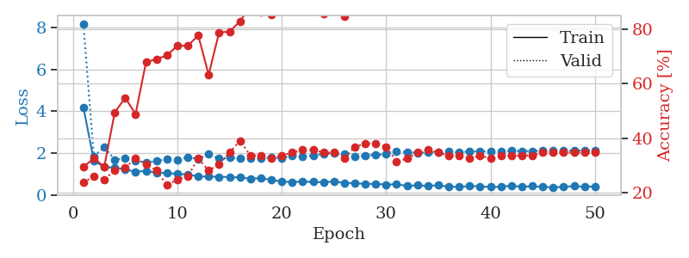
1.2179020073 | 1.6749751879 | 0.25543478261 | 0.21739130435 | 0.21008253098 | 25.543478261 | 21.739130435
1.1590889329 | 1.9623929003 | 0.25543478261 | 0.21739130435 | 0.21040463448 | 25.543478261 | 21.739130435
1.2146679293 | 1.9890546488 | 0.25543478261 | 0.21739130435 | 0.21199226379 | 25.543478261 | 21.739130435
1.1865609858 | 2.2453253062 | 0.25543478261 | 0.21739130435 | 0.21417093277 | 25.543478261 | 21.739130435
1.0964990621 | 2.8031512965 | 0.25543478261 | 0.21739130435 | 0.20999193192 | 25.543478261 | 21.739130435
1.1389000157 | 2.4106465008 | 0.25543478261 | 0.21739130435 | 0.21260166168 | 25.543478261 | 21.739130435
1.091372026 | 2.8370741658 | 0.25543478261 | 0.21739130435 | 0.21349930763 | 25.543478261 | 21.739130435
1.0772299948 | 2.5267886804 | 0.25543478261 | 0.21739130435 | 0.212266922 | 25.543478261 | 21.739130435
1.0178887844 | 2.2537909694 | 0.25543478261 | 0.21739130435 | 0.21045589447 | 25.543478261 | 21.739130435
1.1180968932 | 2.0559341286 | 0.25543478261 | 0.21739130435 | 0.2127096653 | 25.543478261 | 21.739130435
1.1274958331 | 1.6541520824 | 0.25543478261 | 0.21739130435 | 0.21129393578 | 25.543478261 | 21.739130435
1.027095393 | 1.4601498272 | 0.25543478261 | 0.21739130435 | 0.21110868454 | 25.543478261 | 21.739130435
1.0745671366 | 1.438115291 | 0.25 | 0.25 | 0.21197247505 | 25 | 25
0.9876496118 | 1.7656053408 | 0.25543478261 | 0.21739130435 | 0.21010541916 | 25.543478261 | 21.739130435
1.003391823 | 1.7583702544 | 0.25543478261 | 0.21739130435 | 0.20966339111 | 25.543478261 | 21.739130435
0.99184956758 | 1.3280521061 | 0.50543478261 | 0.46739130435 | 0.20877408981 | 50.543478261 | 46.739130435
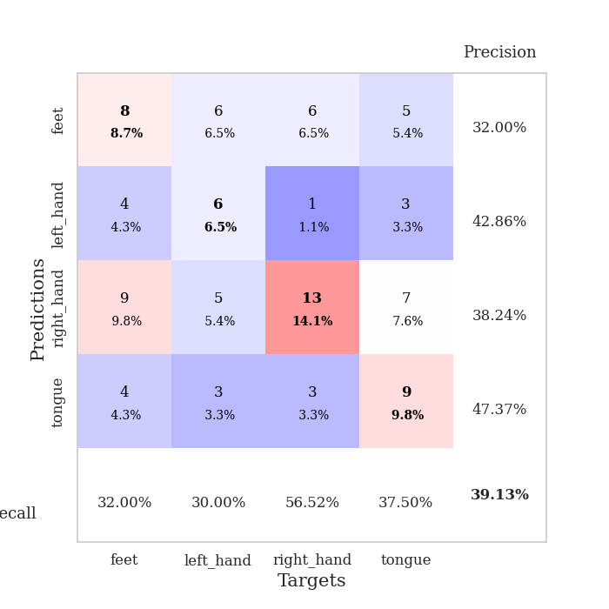
1.0586816098 | 2.1473152741 | 0.2527173913 | 0.26086956522 | 0.20882797241 | 25.27173913 | 26.086956522
0.95524723115 | 4.8906826144 | 0.2527173913 | 0.26086956522 | 0.20703864098 | 25.27173913 | 26.086956522
0.96434327053 | 5.7974967749 | 0.2527173913 | 0.26086956522 | 0.20922636986 | 25.27173913 | 26.086956522
0.99453499006 | 1.7334404199 | 0.2527173913 | 0.26086956522 | 0.2100918293 | 25.27173913 | 26.086956522
0.98178094625 | 1.6081533277 | 0.2527173913 | 0.26086956522 | 0.21245503426 | 25.27173913 | 26.086956522
0.9756962942 | 2.9501663187 | 0.2527173913 | 0.26086956522 | 0.21343064308 | 25.27173913 | 26.086956522
0.97699408168 | 2.1074602293 | 0.2527173913 | 0.26086956522 | 0.21078562737 | 25.27173913 | 26.086956522
0.97631595187 | 1.9930311027 | 0.49456521739 | 0.53260869565 | 0.21085643768 | 49.456521739 | 53.260869565
0.9090002542 | 2.0329209307 | 0.24184782609 | 0.27173913043 | 0.2107322216 | 24.184782609 | 27.173913043
0.8857959483 | 1.8735326373 | 0.24184782609 | 0.27173913043 | 0.21017765999 | 24.184782609 | 27.173913043
0.87033141696 | 3.9984965946 | 0.2527173913 | 0.26086956522 | 0.20945501328 | 25.27173913 | 26.086956522
0.83898239291 | 1.9830222544 | 0.2527173913 | 0.26086956522 | 0.21089696884 | 25.27173913 | 26.086956522
0.88939613104 | 1.3425669463 | 0.24184782609 | 0.27173913043 | 0.20954227448 | 24.184782609 | 27.173913043
0.90507410143 | 1.6025184963 | 0.24184782609 | 0.27173913043 | 0.2105281353 | 24.184782609 | 27.173913043
0.80066409837 | 2.3558628766 | 0.2527173913 | 0.26086956522 | 0.21511101723 | 25.27173913 | 26.086956522
0.73217966116 | 2.0176248084 | 0.2527173913 | 0.26086956522 | 0.21216368675 | 25.27173913 | 26.086956522
0.79420617612 | 4.0842654705 | 0.2527173913 | 0.26086956522 | 0.21201443672 | 25.27173913 | 26.086956522
0.83003142476 | 7.0446779002 | 0.2527173913 | 0.26086956522 | 0.21366333961 | 25.27173913 | 26.086956522
0.75461216206 | 4.7440887327 | 0.2527173913 | 0.26086956522 | 0.21102714539 | 25.27173913 | 26.086956522
0.74496734142 | 1.5415845176 | 0.2527173913 | 0.26086956522 | 0.21249604225 | 25.27173913 | 26.086956522
0.80314732375 | 0.91151922682 | 0.75815217391 | 0.72826086957 | 0.21067667007 | 75.815217391 | 72.826086957
0.80367770143 | 1.0621219614 | 0.50815217391 | 0.47826086957 | 0.21389722824 | 50.815217391 | 47.826086957
0.67854486859 | 2.3330879522 | 0.25543478261 | 0.21739130435 | 0.21054315567 | 25.543478261 | 21.739130435
0.7379535009 | 1.5025880492 | 0.25543478261 | 0.21739130435 | 0.21003389359 | 25.543478261 | 21.739130435
0.73433199525 | 2.4721452775 | 0.2527173913 | 0.26086956522 | 0.21142649651 | 25.27173913 | 26.086956522
0.7032808195 | 2.8603490021 | 0.2527173913 | 0.26086956522 | 0.20996832848 | 25.27173913 | 26.086956522
0.84182339259 | 2.0258205455 | 0.2527173913 | 0.26086956522 | 0.21068882942 | 25.27173913 | 26.086956522
0.67988601716 | 1.1936610211 | 0.50815217391 | 0.47826086957 | 0.21243596077 | 50.815217391 | 47.826086957
0.76736341611 | 0.86000006354 | 0.58152173913 | 0.52173913043 | 0.20923876762 | 58.152173913 | 52.173913043
0.70307744845 | 0.83524427984 | 0.63586956522 | 0.58695652174 | 0.21132302284 | 63.586956522 | 58.695652174
0.69144951261 | 0.86849093178 | 0.63315217391 | 0.58695652174 | 0.20564222336 | 63.315217391 | 58.695652174
0.74277364041 | 0.93315958199 | 0.55706521739 | 0.45652173913 | 0.20764136314 | 55.706521739 | 45.652173913

Best Val accuracy is 0.7282608695652174 and Best test accuracy is 0.7413793103448276

Sheet4
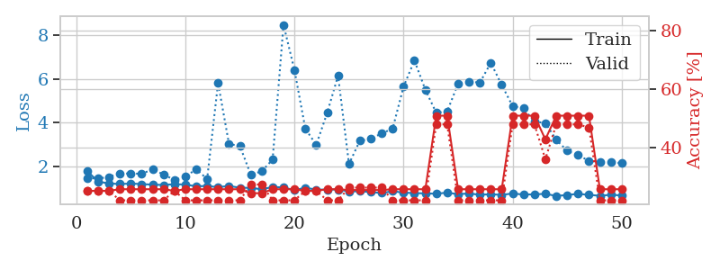
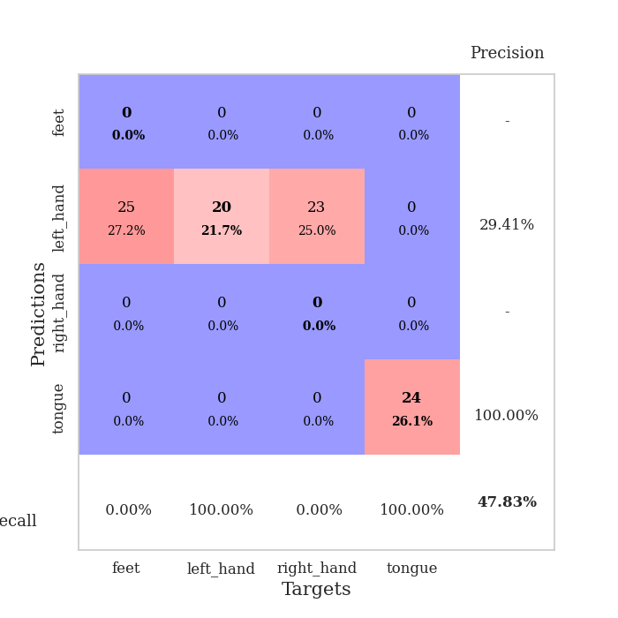
train_loss | valid_loss | train_accuracy | valid_accuracy | dur | train_misclass | valid_misclass
2.8292041032 | 2.6728317427 | 0.28804347826 | 0.23913043478 | 0.085843324661 | 28.804347826 | 23.913043478
1.6043456378 | 2.831294547 | 0.33152173913 | 0.25 | 0.082641601562 | 33.152173913 | 25
1.3737906166 | 2.2703489013 | 0.3722826087 | 0.23913043478 | 0.083613872528 | 37.22826087 | 23.913043478
1.2360257377 | 1.7635110824 | 0.54347826087 | 0.30434782609 | 0.081833124161 | 54.347826087 | 30.434782609
1.1693735511 | 1.7669767452 | 0.59510869565 | 0.27173913043 | 0.082080602646 | 59.510869565 | 27.173913043
1.148348474 | 1.7493307331 | 0.64402173913 | 0.27173913043 | 0.082069396973 | 64.402173913 | 27.173913043
1.1519603211 | 1.6617539033 | 0.63586956522 | 0.30434782609 | 0.083850860596 | 63.586956522 | 30.434782609
1.0125389617 | 1.748106319 | 0.6847826087 | 0.23913043478 | 0.0825548172 | 68.47826087 | 23.913043478
1.0246358566 | 1.6490378639 | 0.70652173913 | 0.25 | 0.083495855331 | 70.652173913 | 25
0.95793087845 | 1.6798901973 | 0.74456521739 | 0.17391304348 | 0.082533121109 | 74.456521739 | 17.391304348
0.93018464679 | 1.8359659807 | 0.71467391304 | 0.25 | 0.082036495209 | 71.467391304 | 25
0.90730484672 | 1.7995026785 | 0.74184782609 | 0.26086956522 | 0.081965923309 | 74.184782609 | 26.086956522
0.83815338041 | 1.7641310485 | 0.77717391304 | 0.26086956522 | 0.082221031189 | 77.717391304 | 26.086956522
0.77365768215 | 1.8413148704 | 0.77989130435 | 0.26086956522 | 0.087563991547 | 77.989130435 | 26.086956522
0.83242059143 | 1.7607341279 | 0.82608695652 | 0.26086956522 | 0.089787721634 | 82.608695652 | 26.086956522
0.7793345244 | 1.8344494312 | 0.83152173913 | 0.25 | 0.082510709763 | 83.152173913 | 25
0.67023393253 | 1.748645062 | 0.86413043478 | 0.28260869565 | 0.082214355469 | 86.413043478 | 28.260869565
0.68978782711 | 1.9947061591 | 0.83152173913 | 0.28260869565 | 0.082335948944 | 83.152173913 | 28.260869565
0.62024729148 | 1.9369262975 | 0.875 | 0.30434782609 | 0.082285404205 | 87.5 | 30.434782609
0.60526694552 | 1.8452336944 | 0.9347826087 | 0.3152173913 | 0.082064390182 | 93.47826087 | 31.52173913
0.61382431181 | 1.9941584183 | 0.90760869565 | 0.25 | 0.082201242447 | 90.760869565 | 25
0.60253577777 | 1.9629243664 | 0.90217391304 | 0.32608695652 | 0.081962585449 | 90.217391304 | 32.608695652
0.63001359287 | 1.871799697 | 0.92934782609 | 0.33695652174 | 0.08262181282 | 92.934782609 | 33.695652174
0.54959364041 | 1.8785444602 | 0.94565217391 | 0.32608695652 | 0.0823097229 | 94.565217391 | 32.608695652
0.54445851756 | 1.9098736359 | 0.94293478261 | 0.3152173913 | 0.082264900208 | 94.293478261 | 31.52173913
0.45001726436 | 1.9389525859 | 0.94565217391 | 0.34782608696 | 0.082087993622 | 94.565217391 | 34.782608696
0.5275802094 | 1.8272207872 | 0.95652173913 | 0.30434782609 | 0.082878112793 | 95.652173913 | 30.434782609
0.49251308908 | 1.9261704787 | 0.9402173913 | 0.33695652174 | 0.082462787628 | 94.02173913 | 33.695652174
0.52121068408 | 1.8350528634 | 0.92391304348 | 0.35869565217 | 0.082630395889 | 92.391304348 | 35.869565217
0.43623517778 | 1.7831438365 | 0.95108695652 | 0.35869565217 | 0.083298206329 | 95.108695652 | 35.869565217
0.40566944558 | 1.7550152229 | 0.95652173913 | 0.34782608696 | 0.082543849945 | 95.652173913 | 34.782608696
0.45717733256 | 1.9283242485 | 0.94836956522 | 0.38043478261 | 0.082351922989 | 94.836956522 | 38.043478261
0.40359349419 | 1.8143796765 | 0.98369565217 | 0.35869565217 | 0.082675933838 | 98.369565217 | 35.869565217
0.43288261087 | 1.8874509179 | 0.97554347826 | 0.36956521739 | 0.08230805397 | 97.554347826 | 36.956521739
0.39889189925 | 1.8984671054 | 0.98097826087 | 0.38043478261 | 0.082183361053 | 98.097826087 | 38.043478261
0.44905330629 | 1.907298736 | 0.98097826087 | 0.36956521739 | 0.082067251205 | 98.097826087 | 36.956521739
0.34690286478 | 1.9580379984 | 0.97554347826 | 0.38043478261 | 0.082361698151 | 97.554347826 | 38.043478261
0.38284789155 | 1.9710335006 | 0.97282608696 | 0.39130434783 | 0.082418680191 | 97.282608696 | 39.130434783
0.32764978334 | 1.9128179187 | 0.99456521739 | 0.34782608696 | 0.082762241364 | 99.456521739 | 34.782608696
0.36548796847 | 1.854722645 | 0.98641304348 | 0.34782608696 | 0.082463741302 | 98.641304348 | 34.782608696
0.32452239614 | 1.8623437985 | 0.98913043478 | 0.34782608696 | 0.08251285553 | 98.913043478 | 34.782608696
0.31243607823 | 1.8779039538 | 0.98913043478 | 0.35869565217 | 0.082333087921 | 98.913043478 | 35.869565217
0.37101738479 | 1.8640087117 | 0.99184782609 | 0.35869565217 | 0.082559585571 | 99.184782609 | 35.869565217
0.38197878036 | 1.866263882 | 0.9972826087 | 0.36956521739 | 0.082458734512 | 99.72826087 | 36.956521739
0.33379123198 | 1.8683801319 | 0.99184782609 | 0.36956521739 | 0.082536458969 | 99.184782609 | 36.956521739
0.30204069031 | 1.8744843162 | 0.9972826087 | 0.36956521739 | 0.082203626633 | 99.72826087 | 36.956521739
0.3310277164 | 1.8798112558 | 0.99456521739 | 0.36956521739 | 0.082565307617 | 99.456521739 | 36.956521739
0.3209433899 | 1.8826087972 | 0.99456521739 | 0.36956521739 | 0.082454442978 | 99.456521739 | 36.956521739
0.34574207955 | 1.8858242605 | 0.99456521739 | 0.36956521739 | 0.084702730179 | 99.456521739 | 36.956521739
0.32032387542 | 1.8878903182 | 0.99456521739 | 0.36956521739 | 0.082285881042 | 99.456521739 | 36.956521739

Best Val accuracy is 0.391304347826087 and Best test accuracy is 0.3620689655172414
train_loss | valid_loss | train_accuracy | valid_accuracy | dur | train_misclass | valid_misclass
1.8137304887 | 1.4959158846 | 0.25 | 0.25 | 0.21040081978 | 25 | 25
1.3299249981 | 1.4660315928 | 0.25 | 0.25 | 0.20954108238 | 25 | 25
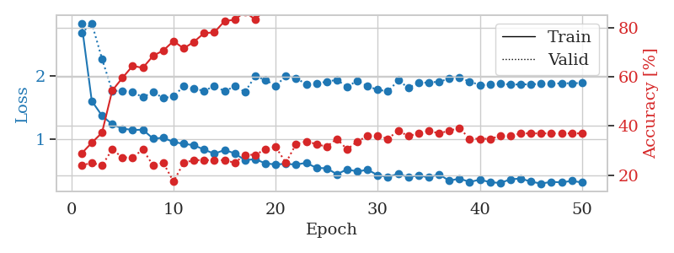
1.2482639914 | 1.5451984198 | 0.25 | 0.25 | 0.21044659615 | 25 | 25
1.2194244862 | 1.7075993082 | 0.25543478261 | 0.21739130435 | 0.21048688889 | 25.543478261 | 21.739130435
1.2428961811 | 1.6941378894 | 0.25543478261 | 0.21739130435 | 0.20945692062 | 25.543478261 | 21.739130435
1.217363596 | 1.6901156747 | 0.25543478261 | 0.21739130435 | 0.20811867714 | 25.543478261 | 21.739130435
1.1926698503 | 1.8813559439 | 0.25543478261 | 0.21739130435 | 0.20956325531 | 25.543478261 | 21.739130435
1.177967722 | 1.6594277828 | 0.25543478261 | 0.21739130435 | 0.20950913429 | 25.543478261 | 21.739130435
1.2146286161 | 1.400288105 | 0.25 | 0.25 | 0.2101085186 | 25 | 25
1.1948268725 | 1.5583720415 | 0.25543478261 | 0.21739130435 | 0.21186923981 | 25.543478261 | 21.739130435
1.1167449614 | 1.890462694 | 0.25543478261 | 0.21739130435 | 0.20763874054 | 25.543478261 | 21.739130435
1.1344377606 | 1.4500474878 | 0.25543478261 | 0.21739130435 | 0.20711970329 | 25.543478261 | 21.739130435
1.0754039132 | 5.8169880121 | 0.25543478261 | 0.21739130435 | 0.20688223839 | 25.543478261 | 21.739130435
1.1349401163 | 3.0414933433 | 0.25543478261 | 0.21739130435 | 0.20941901207 | 25.543478261 | 21.739130435
1.0499418663 | 2.9473189375 | 0.25543478261 | 0.21739130435 | 0.20767045021 | 25.543478261 | 21.739130435
1.0490498206 | 1.6465039668 | 0.24184782609 | 0.27173913043 | 0.21290779114 | 24.184782609 | 27.173913043
0.98107145662 | 1.7976280503 | 0.24184782609 | 0.27173913043 | 0.21102833748 | 24.184782609 | 27.173913043
1.0873997263 | 2.3319267605 | 0.25543478261 | 0.21739130435 | 0.21077013016 | 25.543478261 | 21.739130435
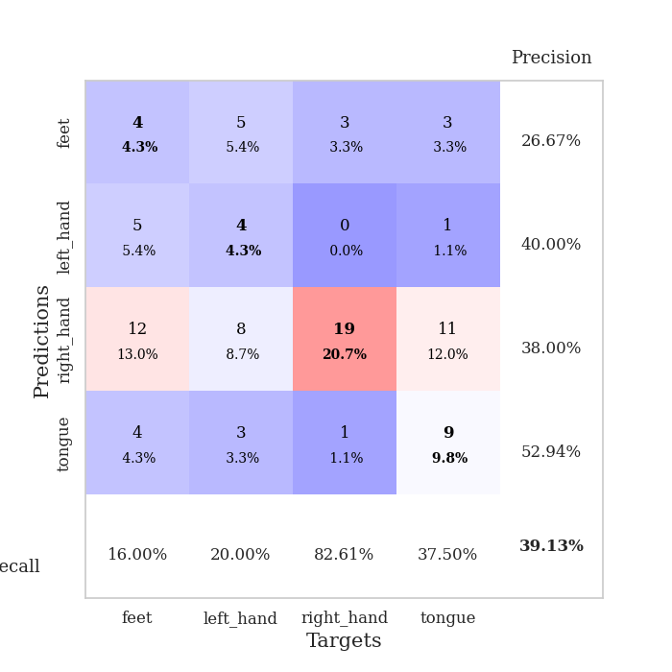
1.065530453 | 8.452321094 | 0.25543478261 | 0.21739130435 | 0.20926952362 | 25.543478261 | 21.739130435
0.94193762282 | 6.4009114141 | 0.25543478261 | 0.21739130435 | 0.21322250366 | 25.543478261 | 21.739130435
1.0514604086 | 3.7324329977 | 0.25 | 0.25 | 0.21193933487 | 25 | 25
0.96560758352 | 2.9999208658 | 0.25 | 0.25 | 0.208963871 | 25 | 25
0.96915703753 | 4.4501158569 | 0.25543478261 | 0.21739130435 | 0.20919346809 | 25.543478261 | 21.739130435
0.97237434854 | 6.1398010047 | 0.25543478261 | 0.21739130435 | 0.21126842499 | 25.543478261 | 21.739130435
0.88205523335 | 2.131541221 | 0.2527173913 | 0.26086956522 | 0.21256566048 | 25.27173913 | 26.086956522
0.89330524206 | 3.1878144741 | 0.2527173913 | 0.26086956522 | 0.21158409119 | 25.27173913 | 26.086956522
0.85486245155 | 3.2638897999 | 0.2527173913 | 0.26086956522 | 0.21038341522 | 25.27173913 | 26.086956522
0.81182337585 | 3.5249021883 | 0.2527173913 | 0.26086956522 | 0.21203541756 | 25.27173913 | 26.086956522
0.89256304502 | 3.7253039505 | 0.25543478261 | 0.21739130435 | 0.20998477936 | 25.543478261 | 21.739130435
0.82982559437 | 5.6393029793 | 0.25543478261 | 0.21739130435 | 0.21116280556 | 25.543478261 | 21.739130435
0.80842112199 | 6.8286231704 | 0.25543478261 | 0.21739130435 | 0.21120929718 | 25.543478261 | 21.739130435
0.7956414754 | 5.5034383898 | 0.25543478261 | 0.21739130435 | 0.20918416977 | 25.543478261 | 21.739130435
0.77960768212 | 4.453272011 | 0.50815217391 | 0.47826086957 | 0.21156811714 | 50.815217391 | 47.826086957
0.82973581941 | 4.5169138183 | 0.50815217391 | 0.47826086957 | 0.21083307266 | 50.815217391 | 47.826086957
0.75712222897 | 5.7722583646 | 0.25543478261 | 0.21739130435 | 0.21142745018 | 25.543478261 | 21.739130435
0.79495556976 | 5.8751693601 | 0.25543478261 | 0.21739130435 | 0.21115136147 | 25.543478261 | 21.739130435
0.73090578162 | 5.8237255345 | 0.25543478261 | 0.21739130435 | 0.20650863647 | 25.543478261 | 21.739130435
0.75828152765 | 6.7274481939 | 0.25543478261 | 0.21739130435 | 0.21113038063 | 25.543478261 | 21.739130435
0.72643469987 | 5.7183845561 | 0.25543478261 | 0.21739130435 | 0.20843577385 | 25.543478261 | 21.739130435
0.79155263693 | 4.7590952231 | 0.50815217391 | 0.47826086957 | 0.21046853065 | 50.815217391 | 47.826086957
0.74229648321 | 4.6568343017 | 0.50815217391 | 0.47826086957 | 0.2124068737 | 50.815217391 | 47.826086957
0.75108079418 | 4.047976753 | 0.50815217391 | 0.47826086957 | 0.21276450157 | 50.815217391 | 47.826086957
0.77627190559 | 3.9980174873 | 0.42663043478 | 0.35869565217 | 0.20924305916 | 42.663043478 | 35.869565217
0.67821101002 | 3.2245836776 | 0.50815217391 | 0.47826086957 | 0.21272826195 | 50.815217391 | 47.826086957
0.72254367367 | 2.7321886083 | 0.50815217391 | 0.47826086957 | 0.20915365219 | 50.815217391 | 47.826086957
0.77381895288 | 2.5271155627 | 0.50815217391 | 0.47826086957 | 0.2132627964 | 50.815217391 | 47.826086957
0.72928579216 | 2.2759609171 | 0.50815217391 | 0.46739130435 | 0.20732688904 | 50.815217391 | 46.739130435
0.6864059088 | 2.2204483229 | 0.25543478261 | 0.21739130435 | 0.21006345749 | 25.543478261 | 21.739130435
0.73109327062 | 2.2168650523 | 0.25543478261 | 0.21739130435 | 0.21251606941 | 25.543478261 | 21.739130435
0.7026146443 | 2.1670511598 | 0.25543478261 | 0.21739130435 | 0.21152877808 | 25.543478261 | 21.739130435

Best Val accuracy is 0.4782608695652174 and Best test accuracy is 0.49137931034482757

Sheet5
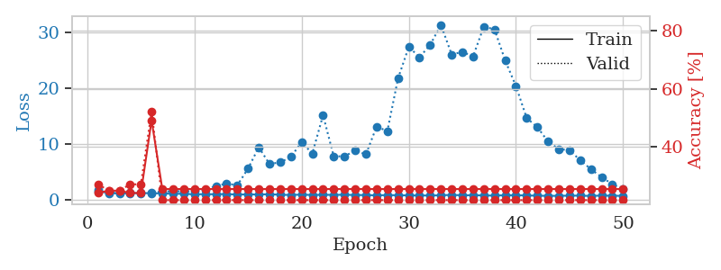
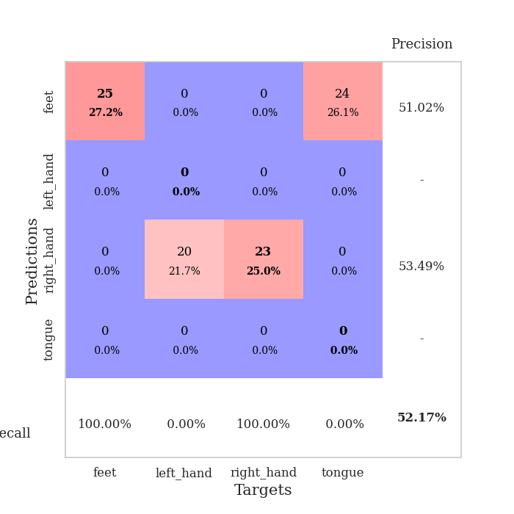
train_loss | valid_loss | train_accuracy | valid_accuracy | dur | train_misclass | valid_misclass
3.2404607172 | 1.789467993 | 0.27173913043 | 0.21739130435 | 0.085448503494 | 27.173913043 | 21.739130435
1.6932841954 | 3.0090977731 | 0.2527173913 | 0.26086956522 | 0.082506418228 | 25.27173913 | 26.086956522
1.4461511322 | 2.09207484 | 0.29076086957 | 0.3152173913 | 0.082630872726 | 29.076086957 | 31.52173913
1.2648192903 | 1.8584638108 | 0.45108695652 | 0.26086956522 | 0.082655191422 | 45.108695652 | 26.086956522
1.2009674777 | 1.6817594145 | 0.5625 | 0.32608695652 | 0.082285881042 | 56.25 | 32.608695652
1.1775950038 | 1.7069309017 | 0.55706521739 | 0.3152173913 | 0.082626819611 | 55.706521739 | 31.52173913
1.0935709088 | 1.7756503302 | 0.60597826087 | 0.36956521739 | 0.082259178162 | 60.597826087 | 36.956521739
1.0830960429 | 1.6933804595 | 0.625 | 0.32608695652 | 0.082203388214 | 62.5 | 32.608695652
1.0542218348 | 1.6850335961 | 0.6277173913 | 0.35869565217 | 0.082411050797 | 62.77173913 | 35.869565217
1.0893565079 | 1.8439948611 | 0.70923913043 | 0.36956521739 | 0.082571744919 | 70.923913043 | 36.956521739
1.0088305732 | 1.8449043554 | 0.69565217391 | 0.3152173913 | 0.08237695694 | 69.565217391 | 31.52173913
0.96045016206 | 1.7211872858 | 0.6902173913 | 0.32608695652 | 0.082528591156 | 69.02173913 | 32.608695652
0.92848888947 | 1.7039336173 | 0.75815217391 | 0.34782608696 | 0.084582805634 | 75.815217391 | 34.782608696
0.89396692618 | 1.6651061307 | 0.75543478261 | 0.38043478261 | 0.082468986511 | 75.543478261 | 38.043478261
0.87234589846 | 1.6841661619 | 0.71195652174 | 0.36956521739 | 0.082586765289 | 71.195652174 | 36.956521739
0.84772836644 | 1.7627157906 | 0.72282608696 | 0.36956521739 | 0.082732200623 | 72.282608696 | 36.956521739
0.83007423256 | 1.7193165188 | 0.80163043478 | 0.36956521739 | 0.082686185837 | 80.163043478 | 36.956521739
0.7451330229 | 1.8602984314 | 0.74456521739 | 0.34782608696 | 0.082422018051 | 74.456521739 | 34.782608696
0.7614318573 | 1.718675178 | 0.80434782609 | 0.39130434783 | 0.082550048828 | 80.434782609 | 39.130434783
0.70693685309 | 1.7606447002 | 0.85054347826 | 0.35869565217 | 0.083007097244 | 85.054347826 | 35.869565217
0.68188347894 | 1.7992059511 | 0.75543478261 | 0.33695652174 | 0.082471132278 | 75.543478261 | 33.695652174
0.68787109204 | 1.8733549325 | 0.83695652174 | 0.36956521739 | 0.082577943802 | 83.695652174 | 36.956521739
0.62180471161 | 1.7559144652 | 0.85597826087 | 0.38043478261 | 0.082668066025 | 85.597826087 | 38.043478261
0.59050816168 | 1.7721203566 | 0.89945652174 | 0.41304347826 | 0.082663536072 | 89.945652174 | 41.304347826
0.5901813831 | 1.7864420103 | 0.89673913043 | 0.35869565217 | 0.082718133926 | 89.673913043 | 35.869565217
0.57299112755 | 1.9336319747 | 0.85054347826 | 0.33695652174 | 0.08272767067 | 85.054347826 | 33.695652174
0.5232026875 | 1.8371695487 | 0.85597826087 | 0.3152173913 | 0.082839012146 | 85.597826087 | 31.52173913
0.51361602026 | 1.8115008033 | 0.91032608696 | 0.33695652174 | 0.082525014877 | 91.032608696 | 33.695652174
0.53901362937 | 1.9469389138 | 0.91576086957 | 0.33695652174 | 0.082861185074 | 91.576086957 | 33.695652174
0.49207700271 | 1.8554600011 | 0.92934782609 | 0.36956521739 | 0.082684993744 | 92.934782609 | 36.956521739
0.53320788365 | 1.9509714531 | 0.84510869565 | 0.34782608696 | 0.082785129547 | 84.510869565 | 34.782608696
0.43992658348 | 1.716037149 | 0.93206521739 | 0.38043478261 | 0.08275437355 | 93.206521739 | 38.043478261
0.41705234802 | 1.9012886078 | 0.92391304348 | 0.33695652174 | 0.082563638687 | 92.391304348 | 33.695652174
0.46984503515 | 1.8581554527 | 0.92391304348 | 0.35869565217 | 0.082704305649 | 92.391304348 | 35.869565217
0.42697281228 | 1.8380869523 | 0.96467391304 | 0.33695652174 | 0.08496260643 | 96.467391304 | 33.695652174
0.43094547093 | 1.8050574686 | 0.96739130435 | 0.36956521739 | 0.082458496094 | 96.739130435 | 36.956521739
0.42263469877 | 1.8465462094 | 0.95923913043 | 0.36956521739 | 0.082805156708 | 95.923913043 | 36.956521739
0.40386743131 | 1.8658009146 | 0.94565217391 | 0.38043478261 | 0.082678079605 | 94.565217391 | 38.043478261
0.40189902614 | 1.8424152861 | 0.95108695652 | 0.38043478261 | 0.082464694977 | 95.108695652 | 38.043478261
0.39969600024 | 1.8676788703 | 0.96739130435 | 0.36956521739 | 0.082622766495 | 96.739130435 | 36.956521739
0.3950536413 | 1.8384734185 | 0.96195652174 | 0.36956521739 | 0.082579374313 | 96.195652174 | 36.956521739
0.39211486215 | 1.8607108956 | 0.94836956522 | 0.34782608696 | 0.082568407059 | 94.836956522 | 34.782608696
0.33036675013 | 1.872050643 | 0.95108695652 | 0.36956521739 | 0.082391262054 | 95.108695652 | 36.956521739
0.3758074557 | 1.8867136292 | 0.95380434783 | 0.35869565217 | 0.082337856293 | 95.380434783 | 35.869565217
0.37822979624 | 1.8695980207 | 0.96195652174 | 0.36956521739 | 0.082384824753 | 96.195652174 | 36.956521739
0.34928580212 | 1.8720845813 | 0.96195652174 | 0.35869565217 | 0.082384347916 | 96.195652174 | 35.869565217
0.33890802964 | 1.8710674877 | 0.96467391304 | 0.35869565217 | 0.082834482193 | 96.467391304 | 35.869565217
0.36739495008 | 1.8667458296 | 0.96467391304 | 0.35869565217 | 0.084024429321 | 96.467391304 | 35.869565217
0.36402714382 | 1.8663492566 | 0.96467391304 | 0.36956521739 | 0.082619905472 | 96.467391304 | 36.956521739
0.35334514859 | 1.8656598744 | 0.96467391304 | 0.38043478261 | 0.082863330841 | 96.467391304 | 38.043478261

Best Val accuracy is 0.41304347826086957 and Best test accuracy is 0.31896551724137934
train_loss | valid_loss | train_accuracy | valid_accuracy | dur | train_misclass | valid_misclass
1.8154286276 | 1.5161412073 | 0.24184782609 | 0.27173913043 | 0.21195459366 | 24.184782609 | 27.173913043
1.2232941545 | 1.4106658075 | 0.25 | 0.25 | 0.20967626572 | 25 | 25
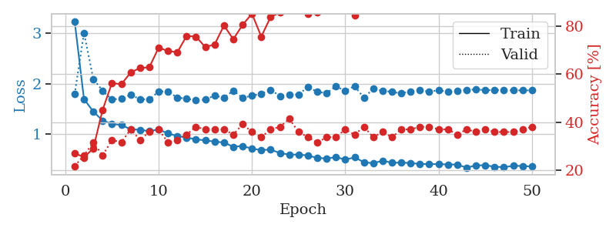
1.2365048813 | 1.413013764 | 0.25 | 0.25 | 0.21053361893 | 25 | 25
1.244252902 | 1.3876703304 | 0.24184782609 | 0.27173913043 | 0.21192717552 | 24.184782609 | 27.173913043
1.2644869063 | 1.4101496417 | 0.24184782609 | 0.27173913043 | 0.20925140381 | 24.184782609 | 27.173913043
1.2575108953 | 1.3884782843 | 0.49184782609 | 0.52173913043 | 0.20964813232 | 49.184782609 | 52.173913043
1.2033823988 | 1.513178022 | 0.25543478261 | 0.21739130435 | 0.21183347702 | 25.543478261 | 21.739130435
1.1450471748 | 1.615541059 | 0.25543478261 | 0.21739130435 | 0.21162605286 | 25.543478261 | 21.739130435
1.142529441 | 1.5696561803 | 0.25543478261 | 0.21739130435 | 0.21041297913 | 25.543478261 | 21.739130435
1.0494748069 | 1.6406702736 | 0.25543478261 | 0.21739130435 | 0.21136641502 | 25.543478261 | 21.739130435
1.0831900032 | 1.870099104 | 0.25543478261 | 0.21739130435 | 0.2097094059 | 25.543478261 | 21.739130435
1.0587766041 | 2.5460032898 | 0.25543478261 | 0.21739130435 | 0.21325683594 | 25.543478261 | 21.739130435
1.1132527979 | 2.9693180893 | 0.25543478261 | 0.21739130435 | 0.21322154999 | 25.543478261 | 21.739130435
0.9970397094 | 2.6710546328 | 0.25543478261 | 0.21739130435 | 0.21057224274 | 25.543478261 | 21.739130435
1.0474183896 | 5.6436863982 | 0.25543478261 | 0.21739130435 | 0.20942115784 | 25.543478261 | 21.739130435
1.0040642749 | 9.4753239673 | 0.25543478261 | 0.21739130435 | 0.20832419395 | 25.543478261 | 21.739130435
1.0811806321 | 6.482520373 | 0.25543478261 | 0.21739130435 | 0.21058011055 | 25.543478261 | 21.739130435
0.95752593227 | 6.7644728163 | 0.25543478261 | 0.21739130435 | 0.2108476162 | 25.543478261 | 21.739130435
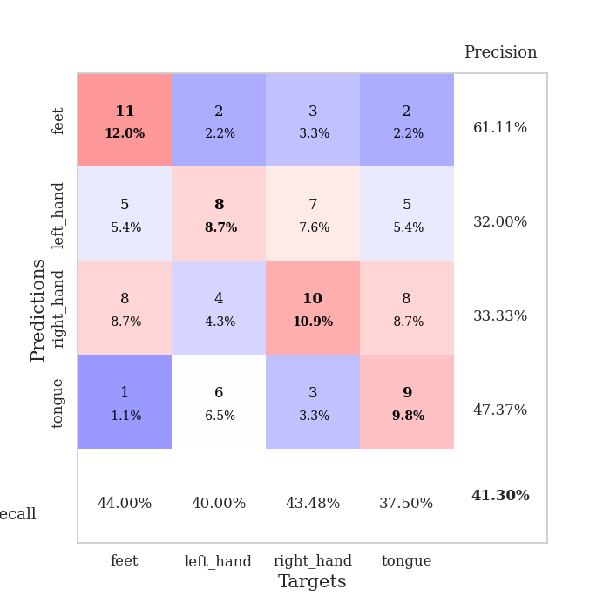
0.94546527189 | 7.7301023317 | 0.25543478261 | 0.21739130435 | 0.20942163467 | 25.543478261 | 21.739130435
0.99143088382 | 10.393488469 | 0.25543478261 | 0.21739130435 | 0.20978999138 | 25.543478261 | 21.739130435
0.9314599089 | 8.3460903997 | 0.25543478261 | 0.21739130435 | 0.21033978462 | 25.543478261 | 21.739130435
0.96835874604 | 15.202031923 | 0.25543478261 | 0.21739130435 | 0.211997509 | 25.543478261 | 21.739130435
0.94441125186 | 7.8158646874 | 0.25543478261 | 0.21739130435 | 0.21017408371 | 25.543478261 | 21.739130435
0.97847402096 | 7.8722775915 | 0.25543478261 | 0.21739130435 | 0.20945811272 | 25.543478261 | 21.739130435
0.92204907407 | 8.8437577538 | 0.25543478261 | 0.21739130435 | 0.2100982666 | 25.543478261 | 21.739130435
0.9194996953 | 8.1992328063 | 0.25543478261 | 0.21739130435 | 0.20909261703 | 25.543478261 | 21.739130435
0.86377210721 | 13.16563996 | 0.25543478261 | 0.21739130435 | 0.20962643623 | 25.543478261 | 21.739130435
0.91623729986 | 12.348700606 | 0.25543478261 | 0.21739130435 | 0.2108745575 | 25.543478261 | 21.739130435
0.88316383569 | 21.793165124 | 0.25543478261 | 0.21739130435 | 0.20966935158 | 25.543478261 | 21.739130435
0.85837788426 | 27.413298234 | 0.25543478261 | 0.21739130435 | 0.21260595322 | 25.543478261 | 21.739130435
0.8530005709 | 25.566793359 | 0.25543478261 | 0.21739130435 | 0.21088385582 | 25.543478261 | 21.739130435
0.83161906445 | 27.776820307 | 0.25543478261 | 0.21739130435 | 0.20903944969 | 25.543478261 | 21.739130435
0.88050843581 | 31.375849185 | 0.25543478261 | 0.21739130435 | 0.21226620674 | 25.543478261 | 21.739130435
0.94571933798 | 26.062172599 | 0.25543478261 | 0.21739130435 | 0.20931863785 | 25.543478261 | 21.739130435
0.87843382359 | 26.519848948 | 0.25543478261 | 0.21739130435 | 0.21096801758 | 25.543478261 | 21.739130435
0.8934373726 | 25.724306189 | 0.25543478261 | 0.21739130435 | 0.21088862419 | 25.543478261 | 21.739130435
0.85231599082 | 31.033929078 | 0.25543478261 | 0.21739130435 | 0.21291422844 | 25.543478261 | 21.739130435
0.81803773279 | 30.562119525 | 0.25543478261 | 0.21739130435 | 0.20928359032 | 25.543478261 | 21.739130435
0.88912273749 | 24.963848943 | 0.25543478261 | 0.21739130435 | 0.20988845825 | 25.543478261 | 21.739130435
0.8886919825 | 20.422940793 | 0.25543478261 | 0.21739130435 | 0.21077370644 | 25.543478261 | 21.739130435
0.84162357579 | 14.69755691 | 0.25543478261 | 0.21739130435 | 0.21374368668 | 25.543478261 | 21.739130435
0.80886743121 | 13.063517985 | 0.25543478261 | 0.21739130435 | 0.20986461639 | 25.543478261 | 21.739130435
0.77287470776 | 10.481520819 | 0.25543478261 | 0.21739130435 | 0.21026587486 | 25.543478261 | 21.739130435
0.78564163265 | 9.1306348884 | 0.25543478261 | 0.21739130435 | 0.21015954018 | 25.543478261 | 21.739130435
0.80888031877 | 8.9421943167 | 0.25543478261 | 0.21739130435 | 0.2108631134 | 25.543478261 | 21.739130435
0.81684028843 | 7.1367084669 | 0.25543478261 | 0.21739130435 | 0.21003341675 | 25.543478261 | 21.739130435
0.75472886925 | 5.5461626467 | 0.25543478261 | 0.21739130435 | 0.21231985092 | 25.543478261 | 21.739130435
0.83299890549 | 4.1183662207 | 0.25543478261 | 0.21739130435 | 0.20991420746 | 25.543478261 | 21.739130435
0.79262869773 | 2.8561978236 | 0.25543478261 | 0.21739130435 | 0.20976066589 | 25.543478261 | 21.739130435
0.77951446564 | 1.9431616016 | 0.25543478261 | 0.21739130435 | 0.20949816704 | 25.543478261 | 21.739130435

Best Val accuracy is 0.5217391304347826 and Best test accuracy is 0.5086206896551724

Sheet6
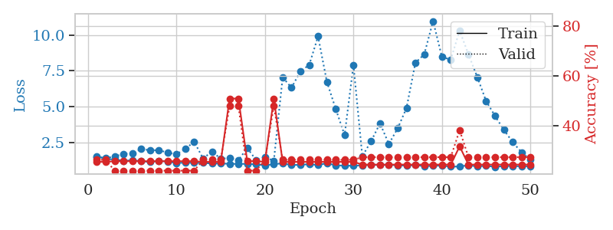
train_loss | valid_loss | train_accuracy | valid_accuracy | dur | train_misclass | valid_misclass
2.8139794806 | 2.5938164773 | 0.2527173913 | 0.28260869565 | 0.084662675858 | 25.27173913 | 28.260869565
1.5686526765 | 1.8131306949 | 0.29347826087 | 0.26086956522 | 0.085200548172 | 29.347826087 | 26.086956522
1.4312896366 | 1.8776568485 | 0.32880434783 | 0.28260869565 | 0.081939458847 | 32.880434783 | 28.260869565
1.3239996122 | 1.8965116532 | 0.47010869565 | 0.26086956522 | 0.081803798676 | 47.010869565 | 26.086956522
1.3148138653 | 2.0421586814 | 0.51086956522 | 0.27173913043 | 0.084693670273 | 51.086956522 | 27.173913043
1.1940680846 | 1.7368127159 | 0.61413043478 | 0.27173913043 | 0.082078695297 | 61.413043478 | 27.173913043
1.0276849788 | 1.691812479 | 0.67119565217 | 0.29347826087 | 0.081938743591 | 67.119565217 | 29.347826087
1.0183415672 | 1.8796732167 | 0.60869565217 | 0.26086956522 | 0.082377195358 | 60.869565217 | 26.086956522
0.99953752238 | 1.6997924214 | 0.74184782609 | 0.30434782609 | 0.082555055618 | 74.184782609 | 30.434782609
0.96380518571 | 1.7431199291 | 0.73097826087 | 0.29347826087 | 0.082470417023 | 73.097826087 | 29.347826087
0.91362291056 | 1.7635567707 | 0.75543478261 | 0.32608695652 | 0.086925506592 | 75.543478261 | 32.608695652
0.80530869183 | 1.7436868885 | 0.76902173913 | 0.36956521739 | 0.082635402679 | 76.902173913 | 36.956521739
0.82016182594 | 1.8212343247 | 0.82880434783 | 0.33695652174 | 0.082726478577 | 82.880434783 | 33.695652174
0.81917305744 | 1.9891965752 | 0.73913043478 | 0.35869565217 | 0.082540035248 | 73.913043478 | 35.869565217
0.72858852537 | 1.9285664144 | 0.80706521739 | 0.3152173913 | 0.082336187363 | 80.706521739 | 31.52173913
0.74030922936 | 2.0150659603 | 0.7527173913 | 0.28260869565 | 0.08246588707 | 75.27173913 | 28.260869565
0.65141542191 | 1.9433544563 | 0.76630434783 | 0.30434782609 | 0.08255314827 | 76.630434783 | 30.434782609
0.64988800235 | 1.95261155 | 0.91847826087 | 0.34782608696 | 0.082494020462 | 91.847826087 | 34.782608696
0.5922722512 | 2.0091722737 | 0.90489130435 | 0.32608695652 | 0.082375526428 | 90.489130435 | 32.608695652
0.56391648495 | 1.9144995109 | 0.9347826087 | 0.3152173913 | 0.082414388657 | 93.47826087 | 31.52173913
0.57422703375 | 1.8359904859 | 0.92391304348 | 0.34782608696 | 0.08237862587 | 92.391304348 | 34.782608696
0.52621183577 | 1.9373881869 | 0.85597826087 | 0.28260869565 | 0.084265947342 | 85.597826087 | 28.260869565
0.53250631042 | 1.8675287288 | 0.95380434783 | 0.34782608696 | 0.082199335098 | 95.380434783 | 34.782608696
0.47524020853 | 1.959500375 | 0.95923913043 | 0.30434782609 | 0.082051992416 | 95.923913043 | 30.434782609
0.48275733383 | 1.9832080603 | 0.9347826087 | 0.33695652174 | 0.081918239594 | 93.47826087 | 33.695652174
0.48731808818 | 1.8478936527 | 0.97010869565 | 0.39130434783 | 0.087713241577 | 97.010869565 | 39.130434783
0.42789262274 | 2.0053821698 | 0.94565217391 | 0.3152173913 | 0.082838773727 | 94.565217391 | 31.52173913
0.44610754757 | 1.9152313108 | 0.97826086957 | 0.34782608696 | 0.082329034805 | 97.826086957 | 34.782608696
0.43741776989 | 2.0007201433 | 0.98097826087 | 0.33695652174 | 0.082270383835 | 98.097826087 | 33.695652174
0.39591591319 | 1.9804241346 | 0.96195652174 | 0.30434782609 | 0.082567930222 | 96.195652174 | 30.434782609
0.35292089342 | 2.0358358673 | 0.94565217391 | 0.33695652174 | 0.082378864288 | 94.565217391 | 33.695652174
0.40680830569 | 1.9595219622 | 0.95923913043 | 0.29347826087 | 0.082287311554 | 95.923913043 | 29.347826087
0.35555968401 | 2.0174420968 | 0.97826086957 | 0.3152173913 | 0.082369089127 | 97.826086957 | 31.52173913
0.42060893385 | 1.9904045229 | 0.98641304348 | 0.36956521739 | 0.082376003265 | 98.641304348 | 36.956521739
0.33466930882 | 1.9959521086 | 0.98913043478 | 0.33695652174 | 0.082696437836 | 98.913043478 | 33.695652174
0.34690709963 | 1.974634269 | 0.98641304348 | 0.35869565217 | 0.082296848297 | 98.641304348 | 35.869565217
0.32468077735 | 2.0083162888 | 0.99456521739 | 0.35869565217 | 0.082328081131 | 99.456521739 | 35.869565217
0.31071436535 | 2.1147190695 | 0.98097826087 | 0.33695652174 | 0.082105636597 | 98.097826087 | 33.695652174
0.34649061347 | 2.0060684577 | 0.99456521739 | 0.32608695652 | 0.082575798035 | 99.456521739 | 32.608695652
0.37157752203 | 2.0541639121 | 0.98913043478 | 0.35869565217 | 0.083067417145 | 98.913043478 | 35.869565217
0.36061325637 | 2.0882527051 | 0.97826086957 | 0.34782608696 | 0.082459211349 | 97.826086957 | 34.782608696
0.36044643042 | 2.0438762696 | 0.99184782609 | 0.32608695652 | 0.082271814346 | 99.184782609 | 32.608695652
0.28942559724 | 2.0381401985 | 0.99456521739 | 0.34782608696 | 0.082461595535 | 99.456521739 | 34.782608696
0.32240076687 | 2.0464854292 | 0.99456521739 | 0.35869565217 | 0.082134723663 | 99.456521739 | 35.869565217
0.33552129891 | 2.041476089 | 0.99456521739 | 0.35869565217 | 0.082197189331 | 99.456521739 | 35.869565217
0.32601546399 | 2.0390170346 | 0.99456521739 | 0.35869565217 | 0.082216262817 | 99.456521739 | 35.869565217
0.29315832387 | 2.0411840522 | 0.99456521739 | 0.35869565217 | 0.082658290863 | 99.456521739 | 35.869565217
0.28511377878 | 2.0411674717 | 0.99456521739 | 0.35869565217 | 0.082785606384 | 99.456521739 | 35.869565217
0.3454115462 | 2.04071826 | 0.99456521739 | 0.35869565217 | 0.082205057144 | 99.456521739 | 35.869565217
0.36772482551 | 2.0389110109 | 0.99456521739 | 0.35869565217 | 0.082279443741 | 99.456521739 | 35.869565217

Best Val accuracy is 0.391304347826087 and Best test accuracy is 0.3793103448275862
train_loss | valid_loss | train_accuracy | valid_accuracy | dur | train_misclass | valid_misclass
1.5537004989 | 1.4982588861 | 0.2527173913 | 0.26086956522 | 0.20747113228 | 25.27173913 | 26.086956522
1.358128812 | 1.4132980264 | 0.2527173913 | 0.26086956522 | 0.21342420578 | 25.27173913 | 26.086956522
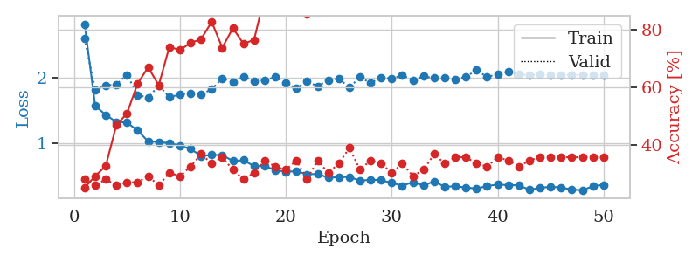
1.3234934081 | 1.5258452581 | 0.25543478261 | 0.21739130435 | 0.20684742928 | 25.543478261 | 21.739130435
1.2236892503 | 1.72024943 | 0.25543478261 | 0.21739130435 | 0.20948266983 | 25.543478261 | 21.739130435
1.2666627739 | 1.7338963643 | 0.25543478261 | 0.21739130435 | 0.21065115929 | 25.543478261 | 21.739130435
1.2053541723 | 2.0544210517 | 0.25543478261 | 0.21739130435 | 0.20900726318 | 25.543478261 | 21.739130435
1.1378226799 | 1.9616822885 | 0.25543478261 | 0.21739130435 | 0.21011710167 | 25.543478261 | 21.739130435
1.2158145594 | 1.9679850392 | 0.25543478261 | 0.21739130435 | 0.21080899239 | 25.543478261 | 21.739130435
1.182322186 | 1.8028909901 | 0.25543478261 | 0.21739130435 | 0.21041703224 | 25.543478261 | 21.739130435
1.0702575212 | 1.6868989986 | 0.25543478261 | 0.21739130435 | 0.21102929115 | 25.543478261 | 21.739130435
1.1034586378 | 2.0633000187 | 0.25543478261 | 0.21739130435 | 0.21054601669 | 25.543478261 | 21.739130435
1.082620359 | 2.5564521396 | 0.25543478261 | 0.21739130435 | 0.21085381508 | 25.543478261 | 21.739130435
1.0877863661 | 1.3917303655 | 0.2527173913 | 0.26086956522 | 0.21220850945 | 25.27173913 | 26.086956522
1.0327582644 | 1.8615203526 | 0.2527173913 | 0.26086956522 | 0.2141149044 | 25.27173913 | 26.086956522
1.0419745082 | 1.3843942518 | 0.2527173913 | 0.26086956522 | 0.21016931534 | 25.27173913 | 26.086956522
1.015954992 | 1.4129399372 | 0.50815217391 | 0.47826086957 | 0.20972537994 | 50.815217391 | 47.826086957
1.0146145095 | 1.278525508 | 0.50815217391 | 0.47826086957 | 0.21313285828 | 50.815217391 | 47.826086957
1.0123488203 | 2.1161871267 | 0.25543478261 | 0.21739130435 | 0.21243000031 | 25.543478261 | 21.739130435
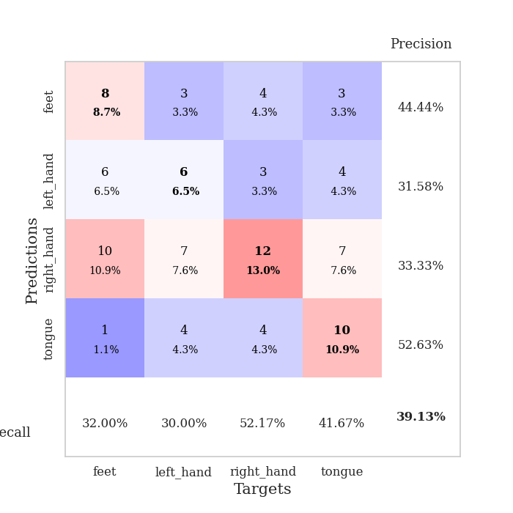
0.9822024392 | 1.2782504248 | 0.25543478261 | 0.21739130435 | 0.21321582794 | 25.543478261 | 21.739130435
0.90488550456 | 1.5006252579 | 0.2527173913 | 0.26086956522 | 0.21112275124 | 25.27173913 | 26.086956522
0.99729336474 | 1.2230982677 | 0.50815217391 | 0.47826086957 | 0.20973134041 | 50.815217391 | 47.826086957
1.0481506405 | 7.0515068925 | 0.2527173913 | 0.26086956522 | 0.21060061455 | 25.27173913 | 26.086956522
0.9312409318 | 6.3241853092 | 0.2527173913 | 0.26086956522 | 0.21155738831 | 25.27173913 | 26.086956522
0.95039861876 | 7.4657837619 | 0.2527173913 | 0.26086956522 | 0.2104165554 | 25.27173913 | 26.086956522
0.98901109851 | 7.9148054745 | 0.2527173913 | 0.26086956522 | 0.2094244957 | 25.27173913 | 26.086956522
0.93342954439 | 9.9042390326 | 0.2527173913 | 0.26086956522 | 0.2124876976 | 25.27173913 | 26.086956522
1.061183875 | 6.7337794719 | 0.2527173913 | 0.26086956522 | 0.21229696274 | 25.27173913 | 26.086956522
0.91091226495 | 4.8402894891 | 0.2527173913 | 0.26086956522 | 0.21018457413 | 25.27173913 | 26.086956522
0.89110852065 | 3.022236171 | 0.2527173913 | 0.26086956522 | 0.20971012115 | 25.27173913 | 26.086956522
0.8826818518 | 7.9173225527 | 0.2527173913 | 0.26086956522 | 0.20913934708 | 25.27173913 | 26.086956522
0.91576806359 | 1.5473575799 | 0.24184782609 | 0.27173913043 | 0.21100878716 | 24.184782609 | 27.173913043
0.93959883503 | 2.5949924614 | 0.24184782609 | 0.27173913043 | 0.21242499352 | 24.184782609 | 27.173913043
0.94141884731 | 3.8421023618 | 0.24184782609 | 0.27173913043 | 0.21016788483 | 24.184782609 | 27.173913043
0.94238284619 | 2.4017785217 | 0.24184782609 | 0.27173913043 | 0.20975613594 | 24.184782609 | 27.173913043
0.91559404912 | 3.4888339976 | 0.24184782609 | 0.27173913043 | 0.21013879776 | 24.184782609 | 27.173913043
0.88737971886 | 4.9192824778 | 0.24184782609 | 0.27173913043 | 0.21020293236 | 24.184782609 | 27.173913043
0.93087412741 | 8.0631914139 | 0.24184782609 | 0.27173913043 | 0.210958004 | 24.184782609 | 27.173913043
0.84856353895 | 8.6498272523 | 0.24184782609 | 0.27173913043 | 0.2086160183 | 24.184782609 | 27.173913043
0.87858131917 | 10.972508928 | 0.24184782609 | 0.27173913043 | 0.21210646629 | 24.184782609 | 27.173913043
0.89471790065 | 8.4671620908 | 0.24184782609 | 0.27173913043 | 0.21206903458 | 24.184782609 | 27.173913043
0.81602162382 | 8.2923054488 | 0.24184782609 | 0.27173913043 | 0.21042370796 | 24.184782609 | 27.173913043
0.83138816512 | 10.309215297 | 0.3152173913 | 0.38043478261 | 0.20879411697 | 31.52173913 | 38.043478261
0.91683409266 | 8.6473238572 | 0.24184782609 | 0.27173913043 | 0.21100330353 | 24.184782609 | 27.173913043
0.83216663806 | 7.067713779 | 0.24184782609 | 0.27173913043 | 0.20870375633 | 24.184782609 | 27.173913043
0.88586587491 | 5.3868347666 | 0.24184782609 | 0.27173913043 | 0.2084145546 | 24.184782609 | 27.173913043
0.79940718412 | 4.3545209636 | 0.24184782609 | 0.27173913043 | 0.21196722984 | 24.184782609 | 27.173913043
0.86481829312 | 3.386921582 | 0.24184782609 | 0.27173913043 | 0.21274065971 | 24.184782609 | 27.173913043
0.86118986296 | 2.5254447046 | 0.24184782609 | 0.27173913043 | 0.20913982391 | 24.184782609 | 27.173913043
0.84140781475 | 1.8201775499 | 0.24184782609 | 0.27173913043 | 0.2101328373 | 24.184782609 | 27.173913043
0.85419115035 | 1.3047716514 | 0.24184782609 | 0.27173913043 | 0.20962333679 | 24.184782609 | 27.173913043

Best Val accuracy is 0.4782608695652174 and Best test accuracy is 0.49137931034482757

Sheet7
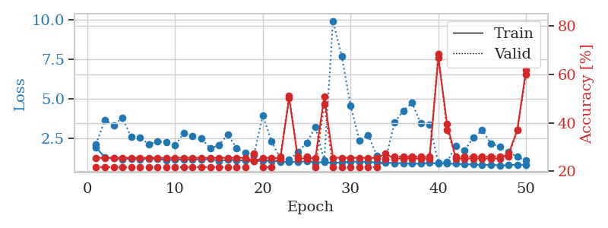
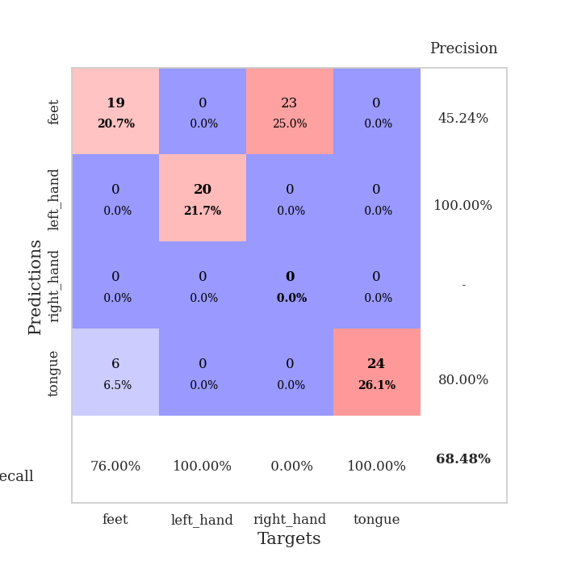
train_loss | valid_loss | train_accuracy | valid_accuracy | dur | train_misclass | valid_misclass
3.3423733452 | 1.6525399581 | 0.24184782609 | 0.19565217391 | 0.083973169327 | 24.184782609 | 19.565217391
1.7573905302 | 1.5476230279 | 0.3125 | 0.26086956522 | 0.081835746765 | 31.25 | 26.086956522
1.4143355826 | 2.0668168586 | 0.32336956522 | 0.28260869565 | 0.081679821014 | 32.336956522 | 28.260869565
1.3678677393 | 1.9234909804 | 0.34782608696 | 0.23913043478 | 0.081619501114 | 34.782608696 | 23.913043478
1.3383126777 | 1.7678623251 | 0.49184782609 | 0.22826086957 | 0.08163022995 | 49.184782609 | 22.826086957
1.2462603476 | 1.6784686887 | 0.59239130435 | 0.29347826087 | 0.081585407257 | 59.239130435 | 29.347826087
1.1256005531 | 1.7982264343 | 0.63858695652 | 0.1847826087 | 0.08172082901 | 63.858695652 | 18.47826087
1.0845615268 | 1.8751296375 | 0.67391304348 | 0.14130434783 | 0.081618309021 | 67.391304348 | 14.130434783
1.0043651021 | 1.9038927711 | 0.64402173913 | 0.22826086957 | 0.081562757492 | 64.402173913 | 22.826086957
1.0022195007 | 1.798559702 | 0.74456521739 | 0.17391304348 | 0.081588029861 | 74.456521739 | 17.391304348
0.94631324125 | 2.0228364623 | 0.71467391304 | 0.23913043478 | 0.081746339798 | 71.467391304 | 23.913043478
0.87385256783 | 1.9163126894 | 0.75543478261 | 0.25 | 0.081600904465 | 75.543478261 | 25
0.77846610028 | 2.0774100915 | 0.69565217391 | 0.28260869565 | 0.08157658577 | 69.565217391 | 28.260869565
0.73624433512 | 1.7947397284 | 0.79619565217 | 0.29347826087 | 0.081838130951 | 79.619565217 | 29.347826087
0.73385801393 | 1.7519874832 | 0.85597826087 | 0.29347826087 | 0.081418514252 | 85.597826087 | 29.347826087
0.65526719845 | 2.1167761761 | 0.7527173913 | 0.27173913043 | 0.081513166428 | 75.27173913 | 27.173913043
0.67614925685 | 2.0846064505 | 0.76086956522 | 0.33695652174 | 0.081737756729 | 76.086956522 | 33.695652174
0.67261539464 | 1.8353645698 | 0.83967391304 | 0.28260869565 | 0.081684112549 | 83.967391304 | 28.260869565
0.57883687641 | 1.971284006 | 0.82065217391 | 0.28260869565 | 0.081535339355 | 82.065217391 | 28.260869565
0.58549557691 | 2.1161478499 | 0.80163043478 | 0.3152173913 | 0.081671714783 | 80.163043478 | 31.52173913
0.61077283388 | 2.3031622949 | 0.74456521739 | 0.32608695652 | 0.081493854523 | 74.456521739 | 32.608695652
0.5526090666 | 2.0650987003 | 0.85869565217 | 0.29347826087 | 0.08168387413 | 85.869565217 | 29.347826087
0.521548174 | 2.2026819664 | 0.80706521739 | 0.29347826087 | 0.081812620163 | 80.706521739 | 29.347826087
0.48272548551 | 2.3887453494 | 0.66847826087 | 0.3152173913 | 0.081984043121 | 66.847826087 | 31.52173913
0.4992180052 | 2.0993584965 | 0.86956521739 | 0.36956521739 | 0.081938266754 | 86.956521739 | 36.956521739
0.53569230956 | 2.0556015243 | 0.875 | 0.33695652174 | 0.082277774811 | 87.5 | 33.695652174
0.44058171368 | 2.1325775126 | 0.86413043478 | 0.32608695652 | 0.082165956497 | 86.413043478 | 32.608695652
0.49755739777 | 2.0430287175 | 0.85326086957 | 0.32608695652 | 0.081882476807 | 85.326086957 | 32.608695652
0.47070785644 | 2.1855566294 | 0.86684782609 | 0.33695652174 | 0.081757307053 | 86.684782609 | 33.695652174
0.45178426219 | 2.0086368893 | 0.92934782609 | 0.35869565217 | 0.081815242767 | 92.934782609 | 35.869565217
0.43104090056 | 1.9847055622 | 0.95380434783 | 0.35869565217 | 0.081878900528 | 95.380434783 | 35.869565217
0.40039016695 | 2.0861978324 | 0.86413043478 | 0.36956521739 | 0.082092046738 | 86.413043478 | 36.956521739
0.44534322036 | 1.988335993 | 0.92119565217 | 0.33695652174 | 0.08186841011 | 92.119565217 | 33.695652174
0.38057703104 | 1.9888254352 | 0.95380434783 | 0.39130434783 | 0.081970930099 | 95.380434783 | 39.130434783
0.36391327886 | 2.2556001622 | 0.84782608696 | 0.32608695652 | 0.082072496414 | 84.782608696 | 32.608695652
0.38468213606 | 2.084181174 | 0.89945652174 | 0.36956521739 | 0.081991910934 | 89.945652174 | 36.956521739
0.32033541539 | 2.306657221 | 0.83423913043 | 0.33695652174 | 0.081993341446 | 83.423913043 | 33.695652174
0.37263990939 | 2.3978919879 | 0.82065217391 | 0.30434782609 | 0.081815242767 | 82.065217391 | 30.434782609
0.35505396549 | 2.3579990449 | 0.83423913043 | 0.3152173913 | 0.0822224617 | 83.423913043 | 31.52173913
0.33410398986 | 2.1968813046 | 0.91304347826 | 0.34782608696 | 0.081915378571 | 91.304347826 | 34.782608696
0.29588685411 | 2.2511422841 | 0.89945652174 | 0.33695652174 | 0.081900835037 | 89.945652174 | 33.695652174
0.33988810914 | 2.1794112558 | 0.92663043478 | 0.32608695652 | 0.081961393356 | 92.663043478 | 32.608695652
0.30769430263 | 2.1915879561 | 0.91576086957 | 0.32608695652 | 0.082100152969 | 91.576086957 | 32.608695652
0.30237638043 | 2.2239921922 | 0.90489130435 | 0.32608695652 | 0.082054853439 | 90.489130435 | 32.608695652
0.32781965512 | 2.233905502 | 0.91032608696 | 0.33695652174 | 0.081804990768 | 91.032608696 | 33.695652174
0.32946652433 | 2.2184415175 | 0.90760869565 | 0.33695652174 | 0.081996440887 | 90.760869565 | 33.695652174
0.30142923412 | 2.2183903093 | 0.91304347826 | 0.33695652174 | 0.082400560379 | 91.304347826 | 33.695652174
0.29585069936 | 2.2098285945 | 0.91304347826 | 0.33695652174 | 0.082089185715 | 91.304347826 | 33.695652174
0.3461506749 | 2.2052726953 | 0.91576086957 | 0.32608695652 | 0.081849336624 | 91.576086957 | 32.608695652
0.31196554685 | 2.2012467695 | 0.91576086957 | 0.33695652174 | 0.082020521164 | 91.576086957 | 33.695652174

Best Val accuracy is 0.391304347826087 and Best test accuracy is 0.33620689655172414
train_loss | valid_loss | train_accuracy | valid_accuracy | dur | train_misclass | valid_misclass
1.9228445395 | 2.1402145883 | 0.25543478261 | 0.21739130435 | 0.20865082741 | 25.543478261 | 21.739130435
1.2931005955 | 3.6633357691 | 0.25543478261 | 0.21739130435 | 0.21252560616 | 25.543478261 | 21.739130435
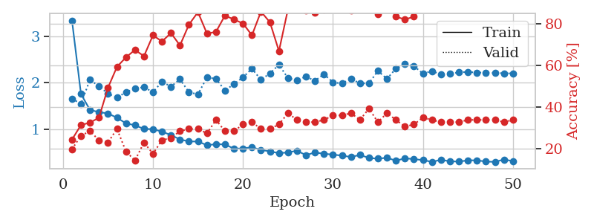
1.2338566625 | 3.3231639966 | 0.25543478261 | 0.21739130435 | 0.21197342873 | 25.543478261 | 21.739130435
1.1727135907 | 3.8232683721 | 0.25543478261 | 0.21739130435 | 0.21103739738 | 25.543478261 | 21.739130435
1.2273839298 | 2.5849342657 | 0.25543478261 | 0.21739130435 | 0.21049237251 | 25.543478261 | 21.739130435
1.152018446 | 2.562352336 | 0.25543478261 | 0.21739130435 | 0.21257758141 | 25.543478261 | 21.739130435
1.2221482785 | 2.1398150506 | 0.25543478261 | 0.21739130435 | 0.2098596096 | 25.543478261 | 21.739130435
1.195146343 | 2.3006865564 | 0.25543478261 | 0.21739130435 | 0.20776295662 | 25.543478261 | 21.739130435
1.1297288045 | 2.2745193399 | 0.25543478261 | 0.21739130435 | 0.21124267578 | 25.543478261 | 21.739130435
1.1532330435 | 2.0511866652 | 0.25543478261 | 0.21739130435 | 0.21068453789 | 25.543478261 | 21.739130435
1.1522523502 | 2.8375103577 | 0.25543478261 | 0.21739130435 | 0.21067023277 | 25.543478261 | 21.739130435
1.1694799869 | 2.6260437654 | 0.25543478261 | 0.21739130435 | 0.21225833893 | 25.543478261 | 21.739130435
1.163487323 | 2.5191515736 | 0.25543478261 | 0.21739130435 | 0.21026682854 | 25.543478261 | 21.739130435
1.1833548131 | 1.8561843634 | 0.25543478261 | 0.21739130435 | 0.20728445053 | 25.543478261 | 21.739130435
1.0823842132 | 2.0803338134 | 0.25543478261 | 0.21739130435 | 0.20581316948 | 25.543478261 | 21.739130435
1.1361081445 | 2.7426775746 | 0.25543478261 | 0.21739130435 | 0.20903468132 | 25.543478261 | 21.739130435
1.1265694162 | 1.9022649578 | 0.25543478261 | 0.21739130435 | 0.21076846123 | 25.543478261 | 21.739130435
1.0883939059 | 1.5687232173 | 0.25543478261 | 0.21739130435 | 0.20932555199 | 25.543478261 | 21.739130435
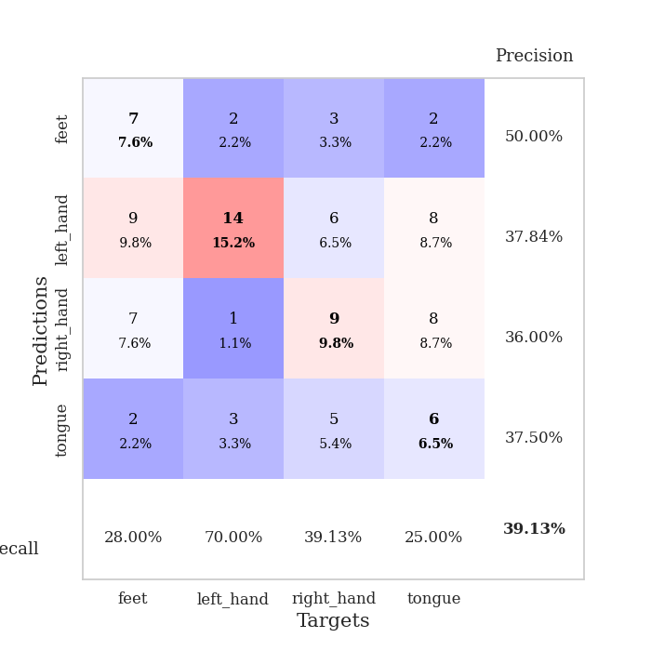
1.0589918676 | 1.4675554452 | 0.24184782609 | 0.27173913043 | 0.21257138252 | 24.184782609 | 27.173913043
1.0888129343 | 3.9655792817 | 0.25543478261 | 0.21739130435 | 0.21019768715 | 25.543478261 | 21.739130435
1.0939937674 | 2.292613724 | 0.25543478261 | 0.21739130435 | 0.20899057388 | 25.543478261 | 21.739130435
1.0083751497 | 1.2482667695 | 0.2527173913 | 0.26086956522 | 0.20905613899 | 25.27173913 | 26.086956522
1.0249210596 | 1.1492397837 | 0.5027173913 | 0.51086956522 | 0.21210622787 | 50.27173913 | 51.086956522
1.0040300177 | 1.6311218583 | 0.2527173913 | 0.26086956522 | 0.21293306351 | 25.27173913 | 26.086956522
1.056133037 | 2.2195217091 | 0.2527173913 | 0.26086956522 | 0.21145176888 | 25.27173913 | 26.086956522
0.98324840224 | 3.2247239403 | 0.25543478261 | 0.21739130435 | 0.21064972878 | 25.543478261 | 21.739130435
0.99434842752 | 1.0867366791 | 0.50815217391 | 0.47826086957 | 0.2107527256 | 50.815217391 | 47.826086957
0.94097764855 | 9.9440084126 | 0.25543478261 | 0.21739130435 | 0.20824217796 | 25.543478261 | 21.739130435
0.98480216576 | 7.6950144146 | 0.25543478261 | 0.21739130435 | 0.20820736885 | 25.543478261 | 21.739130435
1.0330136315 | 4.5842248668 | 0.25543478261 | 0.21739130435 | 0.21084189415 | 25.543478261 | 21.739130435
1.0223316783 | 2.3817894044 | 0.25543478261 | 0.21739130435 | 0.21011304855 | 25.543478261 | 21.739130435
1.0199669755 | 2.7129917041 | 0.25543478261 | 0.21739130435 | 0.21026682854 | 25.543478261 | 21.739130435
0.97576955609 | 1.4056007292 | 0.25543478261 | 0.21739130435 | 0.21028733253 | 25.543478261 | 21.739130435
0.96240587079 | 1.1535250985 | 0.27173913043 | 0.25 | 0.20745801926 | 27.173913043 | 25
0.93826484162 | 3.5209795496 | 0.2527173913 | 0.26086956522 | 0.20932269096 | 25.27173913 | 26.086956522
0.9282510462 | 4.2471244439 | 0.2527173913 | 0.26086956522 | 0.2103729248 | 25.27173913 | 26.086956522
0.8928263317 | 4.7518750896 | 0.2527173913 | 0.26086956522 | 0.21065211296 | 25.27173913 | 26.086956522
0.90529714719 | 3.4472025166 | 0.2527173913 | 0.26086956522 | 0.21038961411 | 25.27173913 | 26.086956522
0.94103846602 | 3.3732146077 | 0.2527173913 | 0.26086956522 | 0.21079707146 | 25.27173913 | 26.086956522
0.9082951157 | 0.96585285923 | 0.66847826087 | 0.6847826087 | 0.20836472511 | 66.847826087 | 68.47826087
0.89238809243 | 0.99950659275 | 0.39402173913 | 0.36956521739 | 0.21201658249 | 39.402173913 | 36.956521739
0.89611158423 | 2.0437485031 | 0.2527173913 | 0.26086956522 | 0.207249403 | 25.27173913 | 26.086956522
0.84718535257 | 1.7404960757 | 0.2527173913 | 0.26086956522 | 0.20946240425 | 25.27173913 | 26.086956522
0.85923261487 | 2.5456568987 | 0.2527173913 | 0.26086956522 | 0.21030592918 | 25.27173913 | 26.086956522
0.80753854565 | 3.0335584205 | 0.2527173913 | 0.26086956522 | 0.20940041542 | 25.27173913 | 26.086956522
0.83985843088 | 2.1718596894 | 0.2527173913 | 0.26086956522 | 0.21006894112 | 25.27173913 | 26.086956522
0.78428641739 | 1.9799722174 | 0.2527173913 | 0.26086956522 | 0.20920586586 | 25.27173913 | 26.086956522
0.79990925996 | 1.6324729971 | 0.27173913043 | 0.26086956522 | 0.21060800552 | 27.173913043 | 26.086956522
0.84205062752 | 1.3370328157 | 0.36956521739 | 0.36956521739 | 0.20868897438 | 36.956521739 | 36.956521739
0.8223684456 | 1.0868307767 | 0.61956521739 | 0.59782608696 | 0.20971751213 | 61.956521739 | 59.782608696

Best Val accuracy is 0.6847826086956522 and Best test accuracy is 0.6120689655172413

Sheet8
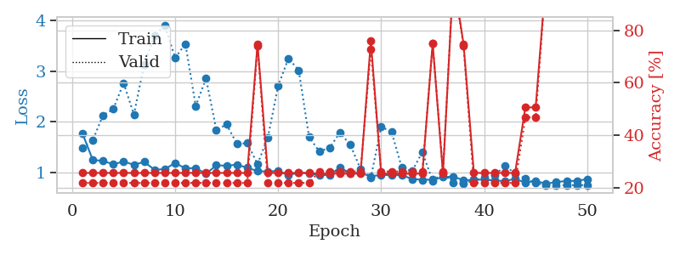
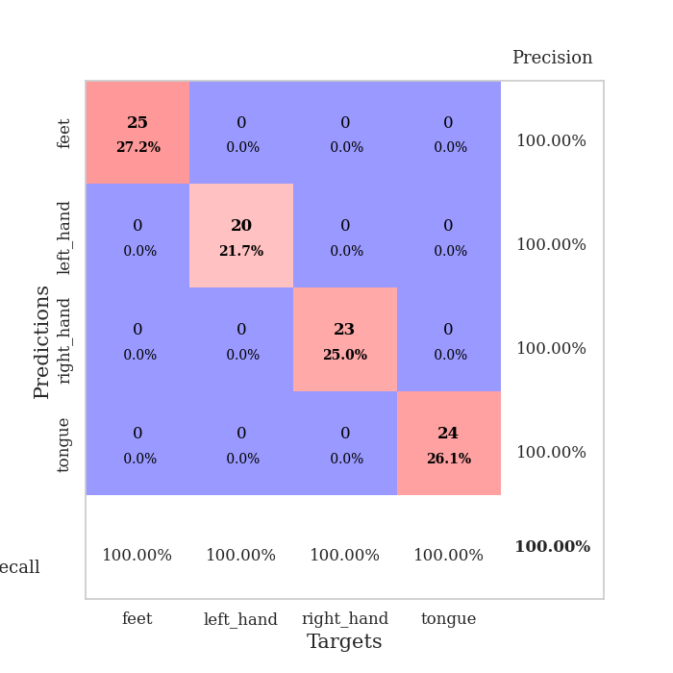
train_loss | valid_loss | train_accuracy | valid_accuracy | dur | train_misclass | valid_misclass
4.6203262599 | 7.2258430979 | 0.30706521739 | 0.22826086957 | 0.085582017899 | 30.706521739 | 22.826086957
1.7570816849 | 8.1109394405 | 0.2472826087 | 0.27173913043 | 0.082786798477 | 24.72826087 | 27.173913043
1.3953469629 | 2.889963772 | 0.33152173913 | 0.26086956522 | 0.082708835602 | 33.152173913 | 26.086956522
1.30608172 | 2.3506332377 | 0.39402173913 | 0.23913043478 | 0.082003593445 | 39.402173913 | 23.913043478
1.3020431425 | 2.1891311096 | 0.50815217391 | 0.28260869565 | 0.081878185272 | 50.815217391 | 28.260869565
1.228413955 | 1.8013635718 | 0.6277173913 | 0.30434782609 | 0.081953287125 | 62.77173913 | 30.434782609
1.1694673092 | 1.9870611948 | 0.59510869565 | 0.23913043478 | 0.082111120224 | 59.510869565 | 23.913043478
1.0990362245 | 1.7905488688 | 0.64402173913 | 0.30434782609 | 0.082361459732 | 64.402173913 | 30.434782609
1.0373438363 | 1.8426921938 | 0.6902173913 | 0.19565217391 | 0.082017183304 | 69.02173913 | 19.565217391
0.96122522717 | 1.8075684879 | 0.73369565217 | 0.23913043478 | 0.08576965332 | 73.369565217 | 23.913043478
0.90485660149 | 1.8450401088 | 0.75543478261 | 0.23913043478 | 0.082833528519 | 75.543478261 | 23.913043478
0.92409401873 | 1.8544480956 | 0.78260869565 | 0.20652173913 | 0.081917285919 | 78.260869565 | 20.652173913
0.88985789211 | 1.9080086376 | 0.75 | 0.21739130435 | 0.081710100174 | 75 | 21.739130435
0.83317576414 | 2.0323754342 | 0.7472826087 | 0.21739130435 | 0.082354784012 | 74.72826087 | 21.739130435
0.79073476791 | 1.8871000694 | 0.80434782609 | 0.26086956522 | 0.081694126129 | 80.434782609 | 26.086956522
0.82576350803 | 2.0292552658 | 0.82065217391 | 0.27173913043 | 0.081842422485 | 82.065217391 | 27.173913043
0.72263904369 | 1.9704903312 | 0.81793478261 | 0.23913043478 | 0.081834077835 | 81.793478261 | 23.913043478
0.72345116216 | 2.0250488364 | 0.84510869565 | 0.23913043478 | 0.081724643707 | 84.510869565 | 23.913043478
0.66115747198 | 2.1385196447 | 0.875 | 0.29347826087 | 0.081498861313 | 87.5 | 29.347826087
0.63864204028 | 2.0943876557 | 0.88315217391 | 0.27173913043 | 0.081822395325 | 88.315217391 | 27.173913043
0.60351114947 | 2.0731630533 | 0.91032608696 | 0.3152173913 | 0.081748723984 | 91.032608696 | 31.52173913
0.63367122412 | 2.1406045686 | 0.92119565217 | 0.29347826087 | 0.081976652145 | 92.119565217 | 29.347826087
0.57773182574 | 2.3115020628 | 0.9347826087 | 0.29347826087 | 0.081669569016 | 93.47826087 | 29.347826087
0.55235428007 | 2.3036070181 | 0.86684782609 | 0.27173913043 | 0.082170963287 | 86.684782609 | 27.173913043
0.51986558217 | 2.2314480491 | 0.9347826087 | 0.29347826087 | 0.084222316742 | 93.47826087 | 29.347826087
0.53612321291 | 2.2312222356 | 0.9375 | 0.28260869565 | 0.082059144974 | 93.75 | 28.260869565
0.565462288 | 2.2778369551 | 0.93206521739 | 0.30434782609 | 0.081748962402 | 93.206521739 | 30.434782609
0.49699481285 | 2.1989784863 | 0.9375 | 0.27173913043 | 0.081785917282 | 93.75 | 27.173913043
0.45096407248 | 2.4370676227 | 0.91576086957 | 0.25 | 0.081918001175 | 91.576086957 | 25
0.4849265153 | 2.3317427739 | 0.95652173913 | 0.27173913043 | 0.081843614578 | 95.652173913 | 27.173913043
0.40285131206 | 2.4105562749 | 0.96195652174 | 0.28260869565 | 0.082164764404 | 96.195652174 | 28.260869565
0.4259998442 | 2.294575147 | 0.96195652174 | 0.28260869565 | 0.081855535507 | 96.195652174 | 28.260869565
0.42454242253 | 2.4799495054 | 0.97554347826 | 0.29347826087 | 0.082028627396 | 97.554347826 | 29.347826087
0.43600541483 | 2.3538695315 | 0.96739130435 | 0.32608695652 | 0.081811904907 | 96.739130435 | 32.608695652
0.43842901289 | 2.3900789593 | 0.97554347826 | 0.3152173913 | 0.082171916962 | 97.554347826 | 31.52173913
0.39847840822 | 2.3557533492 | 0.97554347826 | 0.32608695652 | 0.082294940948 | 97.554347826 | 32.608695652
0.43879450015 | 2.4181275057 | 0.96739130435 | 0.29347826087 | 0.082395792007 | 96.739130435 | 29.347826087
0.38209575026 | 2.4027282881 | 0.96467391304 | 0.28260869565 | 0.081964731216 | 96.467391304 | 28.260869565
0.37128321308 | 2.448614587 | 0.97554347826 | 0.32608695652 | 0.082360744476 | 97.554347826 | 32.608695652
0.34220093748 | 2.3839782528 | 0.98369565217 | 0.33695652174 | 0.082024812698 | 98.369565217 | 33.695652174
0.37069455696 | 2.4064004525 | 0.97826086957 | 0.33695652174 | 0.08229804039 | 97.826086957 | 33.695652174
0.34150089907 | 2.4167143262 | 0.97826086957 | 0.34782608696 | 0.082194805145 | 97.826086957 | 34.782608696
0.34688349327 | 2.468818167 | 0.98641304348 | 0.32608695652 | 0.082021713257 | 98.641304348 | 32.608695652
0.40869946195 | 2.4855925 | 0.98369565217 | 0.33695652174 | 0.081861019135 | 98.369565217 | 33.695652174
0.33557040212 | 2.4742337413 | 0.97826086957 | 0.33695652174 | 0.081862449646 | 97.826086957 | 33.695652174
0.41477529737 | 2.4673708729 | 0.97826086957 | 0.33695652174 | 0.082132339478 | 97.826086957 | 33.695652174
0.38166840634 | 2.4658982754 | 0.98097826087 | 0.33695652174 | 0.082450151443 | 98.097826087 | 33.695652174
0.35078197426 | 2.4711787079 | 0.98097826087 | 0.33695652174 | 0.082121610641 | 98.097826087 | 33.695652174
0.3670905835 | 2.472914986 | 0.98097826087 | 0.33695652174 | 0.081976175308 | 98.097826087 | 33.695652174
0.39638923692 | 2.4748594346 | 0.98097826087 | 0.33695652174 | 0.08195233345 | 98.097826087 | 33.695652174

Best Val accuracy is 0.34782608695652173 and Best test accuracy is 0.29310344827586204
train_loss | valid_loss | train_accuracy | valid_accuracy | dur | train_misclass | valid_misclass
1.7748481916 | 1.4891105683 | 0.25543478261 | 0.21739130435 | 0.20523118973 | 25.543478261 | 21.739130435
1.2483644278 | 1.6346759848 | 0.25543478261 | 0.21739130435 | 0.21145606041 | 25.543478261 | 21.739130435
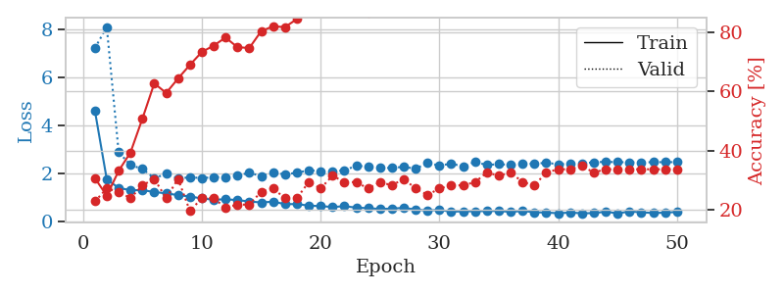
1.2244585804 | 2.1289549703 | 0.25543478261 | 0.21739130435 | 0.21019029617 | 25.543478261 | 21.739130435
1.1608936191 | 2.2543512013 | 0.25543478261 | 0.21739130435 | 0.20931339264 | 25.543478261 | 21.739130435
1.2133963575 | 2.7688735464 | 0.25543478261 | 0.21739130435 | 0.20913028717 | 25.543478261 | 21.739130435
1.149735671 | 2.1438542242 | 0.25543478261 | 0.21739130435 | 0.20849180222 | 25.543478261 | 21.739130435
1.2068176166 | 3.1404699346 | 0.25543478261 | 0.21739130435 | 0.21091723442 | 25.543478261 | 21.739130435
1.0509754627 | 3.7081140435 | 0.25543478261 | 0.21739130435 | 0.21110534668 | 25.543478261 | 21.739130435
1.0644860941 | 3.915395094 | 0.25543478261 | 0.21739130435 | 0.20987606049 | 25.543478261 | 21.739130435
1.1851396638 | 3.2656988994 | 0.25543478261 | 0.21739130435 | 0.21198058128 | 25.543478261 | 21.739130435
1.0789291729 | 3.5444336248 | 0.25543478261 | 0.21739130435 | 0.20952892303 | 25.543478261 | 21.739130435
1.0853096299 | 2.3112119177 | 0.25543478261 | 0.21739130435 | 0.21157264709 | 25.543478261 | 21.739130435
0.97112362281 | 2.8608502409 | 0.25543478261 | 0.21739130435 | 0.21033096313 | 25.543478261 | 21.739130435
1.1397840666 | 1.8414350333 | 0.25543478261 | 0.21739130435 | 0.21201491356 | 25.543478261 | 21.739130435
1.1305966896 | 1.9468805894 | 0.25543478261 | 0.21739130435 | 0.20978856087 | 25.543478261 | 21.739130435
1.1530423527 | 1.5628932455 | 0.25543478261 | 0.21739130435 | 0.21242165565 | 25.543478261 | 21.739130435
1.090820354 | 1.5777154954 | 0.25543478261 | 0.21739130435 | 0.21088218689 | 25.543478261 | 21.739130435
1.0243345966 | 1.1633390862 | 0.7472826087 | 0.73913043478 | 0.20998287201 | 74.72826087 | 73.913043478
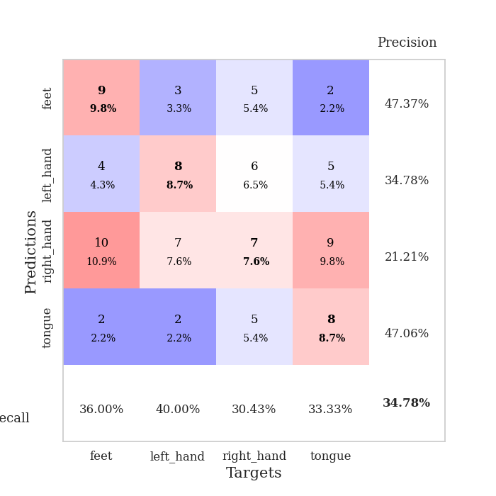
1.0168083181 | 1.6897761925 | 0.25543478261 | 0.21739130435 | 0.20719981194 | 25.543478261 | 21.739130435
1.0289861845 | 2.7101174334 | 0.25543478261 | 0.21739130435 | 0.21122646332 | 25.543478261 | 21.739130435
0.94067771538 | 3.2585300777 | 0.25543478261 | 0.21739130435 | 0.2108206749 | 25.543478261 | 21.739130435
0.9991611346 | 3.0215189561 | 0.25543478261 | 0.21739130435 | 0.2128534317 | 25.543478261 | 21.739130435
0.97645730039 | 1.7004051001 | 0.25543478261 | 0.21739130435 | 0.21092939377 | 25.543478261 | 21.739130435
0.94104910156 | 1.4129303227 | 0.2527173913 | 0.26086956522 | 0.20889425278 | 25.27173913 | 26.086956522
0.94716845906 | 1.4891848927 | 0.2527173913 | 0.26086956522 | 0.21051311493 | 25.27173913 | 26.086956522
1.0968100351 | 1.7853112895 | 0.2527173913 | 0.26086956522 | 0.21126437187 | 25.27173913 | 26.086956522
0.97930834604 | 1.54535518 | 0.2527173913 | 0.26086956522 | 0.20959115028 | 25.27173913 | 26.086956522
0.98880618811 | 1.0663116341 | 0.2527173913 | 0.26086956522 | 0.20984578133 | 25.27173913 | 26.086956522
0.91978762461 | 0.89428382075 | 0.75815217391 | 0.72826086957 | 0.21110343933 | 75.815217391 | 72.826086957
0.95027687498 | 1.8994013745 | 0.2527173913 | 0.26086956522 | 0.21240282059 | 25.27173913 | 26.086956522
0.94121265152 | 1.8061756051 | 0.2527173913 | 0.26086956522 | 0.21022105217 | 25.27173913 | 26.086956522
0.94563609362 | 1.0964843087 | 0.2527173913 | 0.26086956522 | 0.21078705788 | 25.27173913 | 26.086956522
0.86848234353 | 1.0224227879 | 0.2527173913 | 0.26086956522 | 0.21218061447 | 25.27173913 | 26.086956522
0.85207823048 | 1.4011152724 | 0.2527173913 | 0.26086956522 | 0.20929312706 | 25.27173913 | 26.086956522
0.85580291696 | 0.83142657902 | 0.75 | 0.75 | 0.20629787445 | 75 | 75
0.9036244439 | 0.9798934978 | 0.2527173913 | 0.26086956522 | 0.21099829674 | 25.27173913 | 26.086956522
0.91815790404 | 0.79544166638 | 1 | 1 | 0.2102701664 | 100 | 100
0.84025752285 | 0.77812899455 | 0.7472826087 | 0.73913043478 | 0.21102166176 | 74.72826087 | 73.913043478
0.85355378234 | 0.84334205804 | 0.25543478261 | 0.21739130435 | 0.20964193344 | 25.543478261 | 21.739130435
0.85686321621 | 0.88811280157 | 0.25543478261 | 0.21739130435 | 0.21196913719 | 25.543478261 | 21.739130435
0.83800949999 | 0.93930055007 | 0.25543478261 | 0.21739130435 | 0.21256828308 | 25.543478261 | 21.739130435
0.82669102886 | 1.1248401041 | 0.25543478261 | 0.21739130435 | 0.21286892891 | 25.543478261 | 21.739130435
0.8706486264 | 0.98532907341 | 0.25543478261 | 0.21739130435 | 0.2109310627 | 25.543478261 | 21.739130435
0.79546318624 | 0.87231468895 | 0.50543478261 | 0.46739130435 | 0.2119987011 | 50.543478261 | 46.739130435
0.83275965634 | 0.78784871361 | 0.50543478261 | 0.46739130435 | 0.21308803558 | 50.543478261 | 46.739130435
0.77230001792 | 0.74859876218 | 1 | 1 | 0.2116587162 | 100 | 100
0.80912371822 | 0.74920761844 | 0.98913043478 | 1 | 0.21056652069 | 98.913043478 | 100
0.82784600621 | 0.74615842622 | 1 | 1 | 0.21003484726 | 100 | 100
0.83225547749 | 0.74770430119 | 1 | 1 | 0.21073007584 | 100 | 100
0.86638991729 | 0.75014708612 | 0.9972826087 | 1 | 0.21316838264 | 99.72826087 | 100

Best Val accuracy is 1.0 and Best test accuracy is 1.0

Sheet9
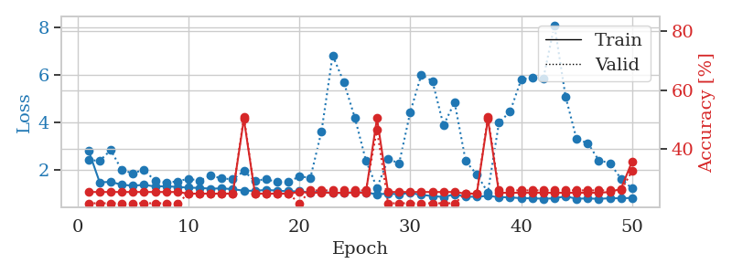
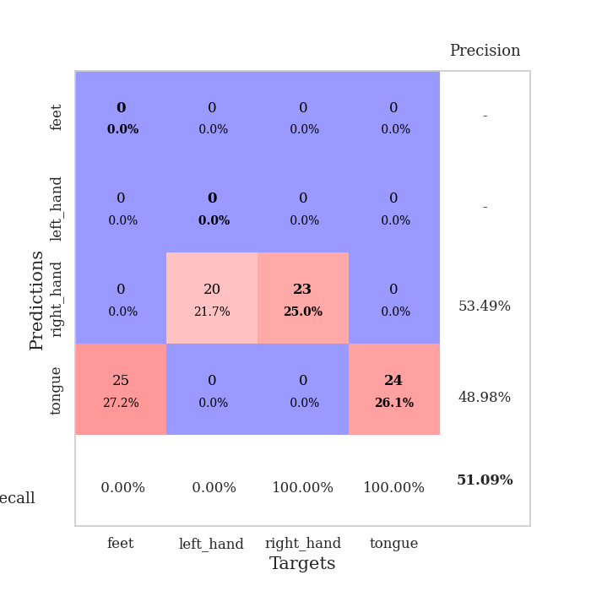
train_loss | valid_loss | train_accuracy | valid_accuracy | dur | train_misclass | valid_misclass
3.6998860836 | 6.4308439338 | 0.24184782609 | 0.27173913043 | 0.085696697235 | 24.184782609 | 27.173913043
1.6228187395 | 2.7841810973 | 0.2472826087 | 0.26086956522 | 0.082649946213 | 24.72826087 | 26.086956522
1.3890348258 | 1.6243281727 | 0.40489130435 | 0.25 | 0.082192182541 | 40.489130435 | 25
1.3354478608 | 1.9589337888 | 0.35054347826 | 0.3152173913 | 0.082138538361 | 35.054347826 | 31.52173913
1.3200938779 | 1.8429336807 | 0.40760869565 | 0.27173913043 | 0.082230091095 | 40.760869565 | 27.173913043
1.1932388725 | 1.7498017342 | 0.58152173913 | 0.25 | 0.082485675812 | 58.152173913 | 25
1.1346707629 | 1.8007465031 | 0.61413043478 | 0.29347826087 | 0.082006454468 | 61.413043478 | 29.347826087
1.1163581273 | 1.7311324088 | 0.68206521739 | 0.23913043478 | 0.082208633423 | 68.206521739 | 23.913043478
1.0300303283 | 1.8076366342 | 0.6902173913 | 0.1847826087 | 0.082169055939 | 69.02173913 | 18.47826087
0.97040245585 | 1.9329643301 | 0.71195652174 | 0.20652173913 | 0.082314014435 | 71.195652174 | 20.652173913
0.89811004504 | 1.8880365776 | 0.77173913043 | 0.23913043478 | 0.082307577133 | 77.173913043 | 23.913043478
0.87875759602 | 1.898789722 | 0.78532608696 | 0.27173913043 | 0.082602262497 | 78.532608696 | 27.173913043
0.80828991273 | 1.9306420554 | 0.8152173913 | 0.26086956522 | 0.082464933395 | 81.52173913 | 26.086956522
0.87782934697 | 1.9714082194 | 0.82608695652 | 0.29347826087 | 0.082593202591 | 82.608695652 | 29.347826087
0.74442354104 | 1.9451956904 | 0.84782608696 | 0.29347826087 | 0.082488059998 | 84.782608696 | 29.347826087
0.76639580338 | 1.965932307 | 0.88043478261 | 0.27173913043 | 0.08259510994 | 88.043478261 | 27.173913043
0.68482000802 | 2.1846789433 | 0.80706521739 | 0.22826086957 | 0.082631111145 | 80.706521739 | 22.826086957
0.66919173365 | 2.2175906741 | 0.79347826087 | 0.22826086957 | 0.082494020462 | 79.347826087 | 22.826086957
0.66195480979 | 2.2563544926 | 0.79347826087 | 0.25 | 0.082407951355 | 79.347826087 | 25
0.62205121569 | 2.1768121046 | 0.85597826087 | 0.26086956522 | 0.082550287247 | 85.597826087 | 26.086956522
0.59573630146 | 2.2043925109 | 0.80434782609 | 0.30434782609 | 0.082703828812 | 80.434782609 | 30.434782609
0.56495377421 | 1.9790519683 | 0.9347826087 | 0.29347826087 | 0.08224773407 | 93.47826087 | 29.347826087
0.56068427537 | 2.0627151572 | 0.92934782609 | 0.32608695652 | 0.082407951355 | 92.934782609 | 32.608695652
0.51291032913 | 2.0664127858 | 0.90217391304 | 0.36956521739 | 0.08278298378 | 90.217391304 | 36.956521739
0.48022294239 | 2.1933288989 | 0.90489130435 | 0.3152173913 | 0.082399129868 | 90.489130435 | 31.52173913
0.48869415988 | 2.0651763159 | 0.96195652174 | 0.3152173913 | 0.082763910294 | 96.195652174 | 31.52173913
0.43088498452 | 2.1950919887 | 0.94836956522 | 0.28260869565 | 0.082407951355 | 94.836956522 | 28.260869565
0.42010041488 | 2.1039579588 | 0.95380434783 | 0.30434782609 | 0.082661867142 | 95.380434783 | 30.434782609
0.48140874699 | 2.3050615528 | 0.93206521739 | 0.3152173913 | 0.082585573196 | 93.206521739 | 31.52173913
0.42791720706 | 2.3357286816 | 0.94293478261 | 0.29347826087 | 0.082363605499 | 94.293478261 | 29.347826087
0.42558378629 | 2.3339969594 | 0.94836956522 | 0.29347826087 | 0.082701683044 | 94.836956522 | 29.347826087
0.42474922732 | 2.359721303 | 0.92119565217 | 0.29347826087 | 0.082320690155 | 92.119565217 | 29.347826087
0.37414073555 | 2.3936651116 | 0.9402173913 | 0.29347826087 | 0.082433462143 | 94.02173913 | 29.347826087
0.33808880073 | 2.4543051512 | 0.94293478261 | 0.27173913043 | 0.082342147827 | 94.293478261 | 27.173913043
0.3809536838 | 2.3738392591 | 0.95923913043 | 0.32608695652 | 0.082168102264 | 95.923913043 | 32.608695652
0.34047235289 | 2.4569600613 | 0.9375 | 0.30434782609 | 0.082784414291 | 93.75 | 30.434782609
0.3942732202 | 2.4284210879 | 0.95108695652 | 0.29347826087 | 0.082180738449 | 95.108695652 | 29.347826087
0.36109902548 | 2.4079303949 | 0.94565217391 | 0.28260869565 | 0.082302570343 | 94.565217391 | 28.260869565
0.3803470504 | 2.3795742159 | 0.95923913043 | 0.29347826087 | 0.082165241241 | 95.923913043 | 29.347826087
0.35676771985 | 2.4064334164 | 0.95652173913 | 0.29347826087 | 0.082156419754 | 95.652173913 | 29.347826087
0.34227510315 | 2.4564473266 | 0.9402173913 | 0.30434782609 | 0.087645053864 | 94.02173913 | 30.434782609
0.3604023327 | 2.4325042445 | 0.94565217391 | 0.30434782609 | 0.083160877228 | 94.565217391 | 30.434782609
0.29683139272 | 2.4161322842 | 0.95108695652 | 0.30434782609 | 0.082807779312 | 95.108695652 | 30.434782609
0.30340128619 | 2.4172380748 | 0.96739130435 | 0.30434782609 | 0.086258649826 | 96.739130435 | 30.434782609
0.31971810726 | 2.4185831184 | 0.97010869565 | 0.3152173913 | 0.085689306259 | 97.010869565 | 31.52173913
0.31370366915 | 2.411811699 | 0.97282608696 | 0.30434782609 | 0.082151889801 | 97.282608696 | 30.434782609
0.31015222584 | 2.4130399123 | 0.97554347826 | 0.3152173913 | 0.081967592239 | 97.554347826 | 31.52173913
0.28309951868 | 2.4164407979 | 0.97554347826 | 0.3152173913 | 0.082399368286 | 97.554347826 | 31.52173913
0.3169693273 | 2.4172097237 | 0.97554347826 | 0.3152173913 | 0.08229970932 | 97.554347826 | 31.52173913
0.30342091652 | 2.4170445981 | 0.97554347826 | 0.3152173913 | 0.082009315491 | 97.554347826 | 31.52173913

Best Val accuracy is 0.3695652173913043 and Best test accuracy is 0.3620689655172414
train_loss | valid_loss | train_accuracy | valid_accuracy | dur | train_misclass | valid_misclass
2.8117918398 | 2.4156210215 | 0.25543478261 | 0.21739130435 | 0.21001648903 | 25.543478261 | 21.739130435
1.4728850541 | 2.379555526 | 0.25543478261 | 0.21739130435 | 0.21283268929 | 25.543478261 | 21.739130435
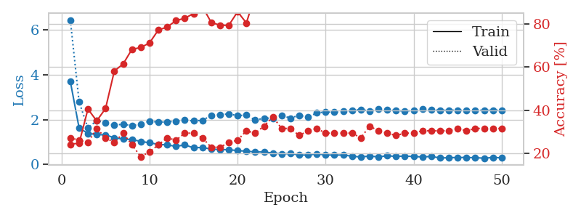
1.4918893576 | 2.8363754127 | 0.25543478261 | 0.21739130435 | 0.21010398865 | 25.543478261 | 21.739130435
1.3679453549 | 1.9829260681 | 0.25543478261 | 0.21739130435 | 0.21043205261 | 25.543478261 | 21.739130435
1.3319818922 | 1.8606725257 | 0.25543478261 | 0.21739130435 | 0.21267747879 | 25.543478261 | 21.739130435
1.3646858257 | 2.0003637335 | 0.25543478261 | 0.21739130435 | 0.2094347477 | 25.543478261 | 21.739130435
1.2980057519 | 1.5295492048 | 0.25543478261 | 0.21739130435 | 0.21283268929 | 25.543478261 | 21.739130435
1.3081595794 | 1.4632087842 | 0.25543478261 | 0.21739130435 | 0.21207475662 | 25.543478261 | 21.739130435
1.2778351462 | 1.511993517 | 0.25543478261 | 0.21739130435 | 0.2087161541 | 25.543478261 | 21.739130435
1.2467573104 | 1.623185137 | 0.25 | 0.25 | 0.21038246155 | 25 | 25
1.2375758213 | 1.5432691522 | 0.25 | 0.25 | 0.21025252342 | 25 | 25
1.2036672805 | 1.7475836743 | 0.25 | 0.25 | 0.20875597 | 25 | 25
1.2184873068 | 1.64235779 | 0.25 | 0.25 | 0.21326398849 | 25 | 25
1.183102092 | 1.5953265636 | 0.25 | 0.25 | 0.21203446388 | 25 | 25
1.1196450928 | 1.9430590868 | 0.5027173913 | 0.51086956522 | 0.21040177345 | 50.27173913 | 51.086956522
1.1154514448 | 1.5316056946 | 0.25 | 0.25 | 0.20970678329 | 25 | 25
1.1513964171 | 1.6107691112 | 0.25 | 0.25 | 0.21062159538 | 25 | 25
1.1235046361 | 1.4779913944 | 0.25 | 0.25 | 0.21020030975 | 25 | 25
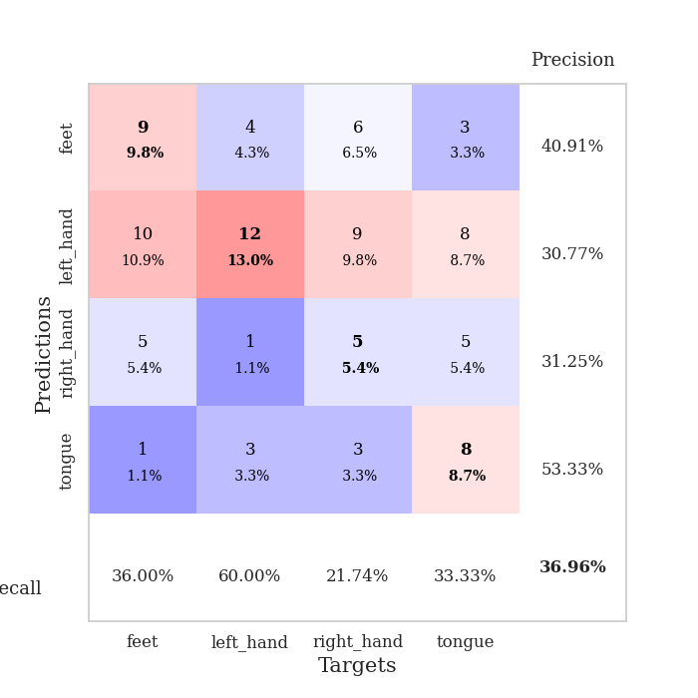
1.0916066947 | 1.4862316951 | 0.25 | 0.25 | 0.2131485939 | 25 | 25
1.0924418206 | 1.7176242652 | 0.25543478261 | 0.21739130435 | 0.20939159393 | 25.543478261 | 21.739130435
1.0472182839 | 1.6684064399 | 0.2527173913 | 0.26086956522 | 0.21101355553 | 25.27173913 | 26.086956522
1.0827980612 | 3.6287514956 | 0.2527173913 | 0.26086956522 | 0.20966291428 | 25.27173913 | 26.086956522
1.0188551545 | 6.8361197762 | 0.2527173913 | 0.26086956522 | 0.21308803558 | 25.27173913 | 26.086956522
1.0281130827 | 5.7209334788 | 0.2527173913 | 0.26086956522 | 0.20764946938 | 25.27173913 | 26.086956522
1.0555227788 | 4.2110058225 | 0.2527173913 | 0.26086956522 | 0.21093130112 | 25.27173913 | 26.086956522
1.0377235749 | 2.4002374048 | 0.2527173913 | 0.26086956522 | 0.20997023582 | 25.27173913 | 26.086956522
0.96981873979 | 1.2356595267 | 0.50543478261 | 0.46739130435 | 0.2110350132 | 50.543478261 | 46.739130435
0.99317079523 | 2.4526790225 | 0.25543478261 | 0.21739130435 | 0.20980405807 | 25.543478261 | 21.739130435
0.9704038423 | 2.2779772489 | 0.25543478261 | 0.21739130435 | 0.21196079254 | 25.543478261 | 21.739130435
1.0250507904 | 4.4347731756 | 0.25543478261 | 0.21739130435 | 0.21299672127 | 25.543478261 | 21.739130435
0.93934272683 | 6.0220421708 | 0.25543478261 | 0.21739130435 | 0.21203708649 | 25.543478261 | 21.739130435
0.89470979183 | 5.7445625637 | 0.25543478261 | 0.21739130435 | 0.20989346504 | 25.543478261 | 21.739130435
0.85072306187 | 3.8822332465 | 0.25543478261 | 0.21739130435 | 0.2104537487 | 25.543478261 | 21.739130435
0.96700833414 | 4.8555892861 | 0.25543478261 | 0.21739130435 | 0.21040201187 | 25.543478261 | 21.739130435
0.86374245908 | 2.3653700352 | 0.25 | 0.25 | 0.20923733711 | 25 | 25
0.86262144731 | 1.8040789469 | 0.25 | 0.25 | 0.21016931534 | 25 | 25
0.89816158492 | 1.0462139715 | 0.5027173913 | 0.51086956522 | 0.21242523193 | 50.27173913 | 51.086956522
0.84615449024 | 3.9984868195 | 0.2527173913 | 0.26086956522 | 0.21132659912 | 25.27173913 | 26.086956522
0.83627671522 | 4.4578071055 | 0.2527173913 | 0.26086956522 | 0.20904707909 | 25.27173913 | 26.086956522
0.80123439431 | 5.8136832818 | 0.2527173913 | 0.26086956522 | 0.21150588989 | 25.27173913 | 26.086956522
0.79786627966 | 5.9119329867 | 0.2527173913 | 0.26086956522 | 0.2092294693 | 25.27173913 | 26.086956522
0.78020854877 | 5.8573293893 | 0.2527173913 | 0.26086956522 | 0.21267485619 | 25.27173913 | 26.086956522
0.7949296547 | 8.1146803317 | 0.2527173913 | 0.26086956522 | 0.21120023727 | 25.27173913 | 26.086956522
0.87832948565 | 5.0998309384 | 0.2527173913 | 0.26086956522 | 0.21249818802 | 25.27173913 | 26.086956522
0.78011067017 | 3.2914464474 | 0.2527173913 | 0.26086956522 | 0.21159434319 | 25.27173913 | 26.086956522
0.79283373382 | 3.1323531503 | 0.2527173913 | 0.26086956522 | 0.20916152 | 25.27173913 | 26.086956522
0.77286803852 | 2.4000722325 | 0.2527173913 | 0.26086956522 | 0.21049070358 | 25.27173913 | 26.086956522
0.8009783807 | 2.2865934579 | 0.25543478261 | 0.26086956522 | 0.21194291115 | 25.543478261 | 26.086956522
0.79857049299 | 1.6229306252 | 0.26630434783 | 0.26086956522 | 0.21254014969 | 26.630434783 | 26.086956522
0.81395325194 | 1.2083011969 | 0.35869565217 | 0.32608695652 | 0.2077255249 | 35.869565217 | 32.608695652

Best Val accuracy is 0.5108695652173914 and Best test accuracy is 0.4827586206896552

Sheet10
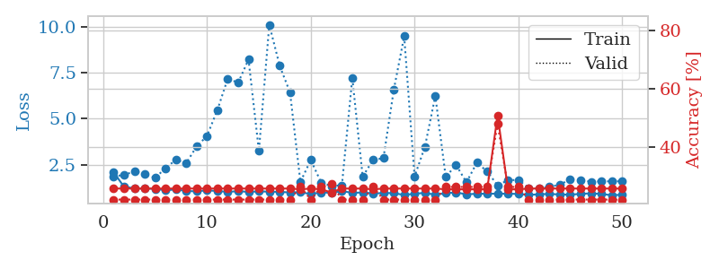
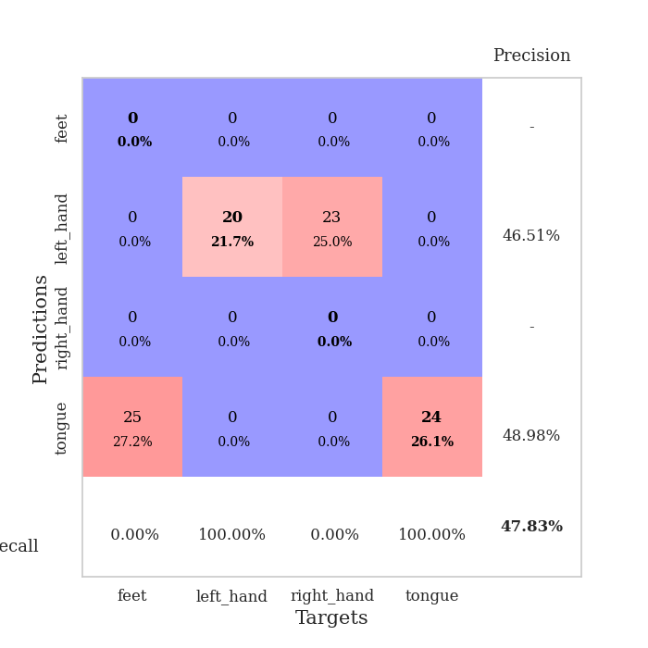
train_loss | valid_loss | train_accuracy | valid_accuracy | dur | train_misclass | valid_misclass
3.4087448483 | 1.5804507836 | 0.32065217391 | 0.29347826087 | 0.086059570312 | 32.065217391 | 29.347826087
1.6210727432 | 2.2062167188 | 0.25815217391 | 0.26086956522 | 0.081891536713 | 25.815217391 | 26.086956522
1.5735928287 | 1.68714826 | 0.33423913043 | 0.32608695652 | 0.081785678864 | 33.423913043 | 32.608695652
1.5127174595 | 2.0072702429 | 0.26902173913 | 0.26086956522 | 0.081747770309 | 26.902173913 | 26.086956522
1.4562260897 | 1.522647925 | 0.51358695652 | 0.27173913043 | 0.081762075424 | 51.358695652 | 27.173913043
1.3118780281 | 1.6234636929 | 0.5 | 0.27173913043 | 0.081705331802 | 50 | 27.173913043
1.2361483833 | 1.4578623513 | 0.58695652174 | 0.30434782609 | 0.081741094589 | 58.695652174 | 30.434782609
1.1854627081 | 1.5015855043 | 0.56793478261 | 0.32608695652 | 0.081779718399 | 56.793478261 | 32.608695652
1.1065373187 | 1.4977576266 | 0.63586956522 | 0.30434782609 | 0.081828355789 | 63.586956522 | 30.434782609
1.0372676642 | 1.5895110369 | 0.59510869565 | 0.27173913043 | 0.081873178482 | 59.510869565 | 27.173913043
0.95597159344 | 1.4437729328 | 0.73369565217 | 0.29347826087 | 0.082549333572 | 73.369565217 | 29.347826087
0.90338097966 | 1.7038174557 | 0.6847826087 | 0.29347826087 | 0.081996917725 | 68.47826087 | 29.347826087
0.86363965791 | 1.5720706608 | 0.80163043478 | 0.3152173913 | 0.081897974014 | 80.163043478 | 31.52173913
0.78676835869 | 1.8006958599 | 0.78260869565 | 0.23913043478 | 0.082185983658 | 78.260869565 | 23.913043478
0.76371045994 | 1.6751696752 | 0.8152173913 | 0.27173913043 | 0.081918001175 | 81.52173913 | 27.173913043
0.69666935439 | 2.0134365818 | 0.72554347826 | 0.28260869565 | 0.081867456436 | 72.554347826 | 28.260869565
0.75509565032 | 1.7828750351 | 0.85054347826 | 0.27173913043 | 0.082186460495 | 85.054347826 | 27.173913043
0.6590872083 | 1.775045229 | 0.8722826087 | 0.29347826087 | 0.082379102707 | 87.22826087 | 29.347826087
0.61549214177 | 1.7864284775 | 0.91576086957 | 0.27173913043 | 0.08234834671 | 91.576086957 | 27.173913043
0.65176386678 | 1.8799614699 | 0.85326086957 | 0.26086956522 | 0.082041978836 | 85.326086957 | 26.086956522
0.59577572605 | 1.7483308678 | 0.88586956522 | 0.26086956522 | 0.082008361816 | 88.586956522 | 26.086956522
0.5666244639 | 1.7678985388 | 0.85869565217 | 0.27173913043 | 0.082135438919 | 85.869565217 | 27.173913043
0.59490590251 | 1.8982245248 | 0.89945652174 | 0.25 | 0.082115650177 | 89.945652174 | 25
0.51861662968 | 1.843134709 | 0.92391304348 | 0.23913043478 | 0.084799289703 | 92.391304348 | 23.913043478
0.54074331924 | 1.8365181995 | 0.92391304348 | 0.28260869565 | 0.083512544632 | 92.391304348 | 28.260869565
0.44409907966 | 2.0418262585 | 0.80163043478 | 0.27173913043 | 0.082896709442 | 80.163043478 | 27.173913043
0.41486729455 | 2.044059204 | 0.89130434783 | 0.26086956522 | 0.082224607468 | 89.130434783 | 26.086956522
0.46051159242 | 1.9782779424 | 0.88315217391 | 0.25 | 0.081961870193 | 88.315217391 | 25
0.37279168322 | 2.0735630263 | 0.91304347826 | 0.25 | 0.087233543396 | 91.304347826 | 25
0.40981335744 | 2.1168610635 | 0.89673913043 | 0.26086956522 | 0.082834482193 | 89.673913043 | 26.086956522
0.41232718592 | 2.0882941329 | 0.91847826087 | 0.25 | 0.082318305969 | 91.847826087 | 25
0.40308767687 | 1.9232593619 | 0.96195652174 | 0.30434782609 | 0.082580327988 | 96.195652174 | 30.434782609
0.37797248882 | 2.0386435053 | 0.92391304348 | 0.26086956522 | 0.082560062408 | 92.391304348 | 26.086956522
0.36062556586 | 2.0415698342 | 0.92119565217 | 0.26086956522 | 0.082125425339 | 92.119565217 | 26.086956522
0.30575020935 | 2.1014562171 | 0.95380434783 | 0.26086956522 | 0.0822930336 | 95.380434783 | 26.086956522
0.3492172111 | 2.0634819321 | 0.96195652174 | 0.27173913043 | 0.082218885422 | 96.195652174 | 27.173913043
0.39006956634 | 2.0744192497 | 0.97010869565 | 0.23913043478 | 0.082129001617 | 97.010869565 | 23.913043478
0.37973456538 | 1.9576556268 | 0.98641304348 | 0.25 | 0.082304477692 | 98.641304348 | 25
0.34138683133 | 1.9739348474 | 0.97010869565 | 0.25 | 0.082373857498 | 97.010869565 | 25
0.40917795897 | 2.0075153579 | 0.97826086957 | 0.26086956522 | 0.082151412964 | 97.826086957 | 26.086956522
0.2856792082 | 1.957194857 | 0.99456521739 | 0.27173913043 | 0.082380533218 | 99.456521739 | 27.173913043
0.32742860136 | 1.9669169032 | 0.98369565217 | 0.28260869565 | 0.082414865494 | 98.369565217 | 28.260869565
0.37091188651 | 1.9723972549 | 0.98913043478 | 0.29347826087 | 0.082436323166 | 98.913043478 | 29.347826087
0.3352496177 | 1.9848957684 | 0.98913043478 | 0.28260869565 | 0.082441568375 | 98.913043478 | 28.260869565
0.38430052348 | 2.0006538474 | 0.98641304348 | 0.27173913043 | 0.082282304764 | 98.641304348 | 27.173913043
0.34469552209 | 2.0094025653 | 0.98641304348 | 0.26086956522 | 0.082216739655 | 98.641304348 | 26.086956522
0.35298333511 | 2.0102120379 | 0.98913043478 | 0.26086956522 | 0.082368135452 | 98.913043478 | 26.086956522
0.34556184094 | 2.0140725737 | 0.98913043478 | 0.26086956522 | 0.086108207703 | 98.913043478 | 26.086956522
0.33674661718 | 2.0133872861 | 0.98913043478 | 0.26086956522 | 0.083311080933 | 98.913043478 | 26.086956522
0.29585883086 | 2.0139736093 | 0.98913043478 | 0.26086956522 | 0.084058523178 | 98.913043478 | 26.086956522

Best Val accuracy is 0.32608695652173914 and Best test accuracy is 0.31896551724137934
train_loss | valid_loss | train_accuracy | valid_accuracy | dur | train_misclass | valid_misclass
2.0819486587 | 1.8679133498 | 0.25543478261 | 0.21739130435 | 0.20732975006 | 25.543478261 | 21.739130435
1.3015367337 | 1.9344503569 | 0.25543478261 | 0.21739130435 | 0.21476984024 | 25.543478261 | 21.739130435
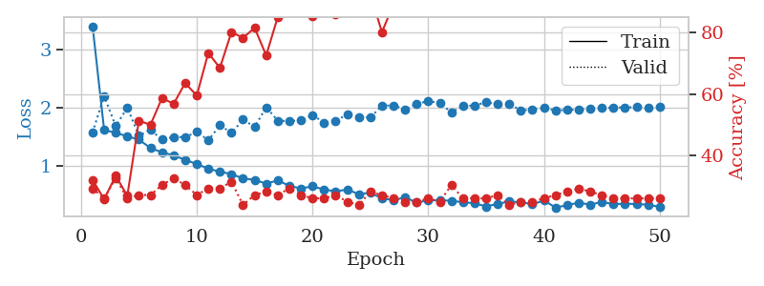
1.2156623861 | 2.1359207941 | 0.25543478261 | 0.21739130435 | 0.21044063568 | 25.543478261 | 21.739130435
1.1969583527 | 1.995723517 | 0.25543478261 | 0.21739130435 | 0.21264100075 | 25.543478261 | 21.739130435
1.1871762068 | 1.7772081624 | 0.25543478261 | 0.21739130435 | 0.20933842659 | 25.543478261 | 21.739130435
1.1046240693 | 2.3061107242 | 0.25543478261 | 0.21739130435 | 0.21201705933 | 25.543478261 | 21.739130435
1.1526277117 | 2.762199858 | 0.25543478261 | 0.21739130435 | 0.21227478981 | 25.543478261 | 21.739130435
1.0680903689 | 2.5860408804 | 0.25543478261 | 0.21739130435 | 0.21261096001 | 25.543478261 | 21.739130435
1.0462978586 | 3.486583378 | 0.25543478261 | 0.21739130435 | 0.21109819412 | 25.543478261 | 21.739130435
1.1081719139 | 4.0549451787 | 0.25543478261 | 0.21739130435 | 0.21099162102 | 25.543478261 | 21.739130435
1.061082021 | 5.4658364628 | 0.25543478261 | 0.21739130435 | 0.21098423004 | 25.543478261 | 21.739130435
1.0258959117 | 7.1720296818 | 0.25543478261 | 0.21739130435 | 0.21142339706 | 25.543478261 | 21.739130435
1.0523944212 | 6.9455859143 | 0.25543478261 | 0.21739130435 | 0.2138364315 | 25.543478261 | 21.739130435
1.0243617167 | 8.2040438859 | 0.25543478261 | 0.21739130435 | 0.21051859856 | 25.543478261 | 21.739130435
1.0433905824 | 3.2391336379 | 0.25543478261 | 0.21739130435 | 0.21101212502 | 25.543478261 | 21.739130435
1.0341805375 | 10.096957995 | 0.25543478261 | 0.21739130435 | 0.21069407463 | 25.543478261 | 21.739130435
1.0186752133 | 7.8695275265 | 0.25543478261 | 0.21739130435 | 0.21080327034 | 25.543478261 | 21.739130435
0.98999285957 | 6.4144248755 | 0.25543478261 | 0.21739130435 | 0.21287989616 | 25.543478261 | 21.739130435
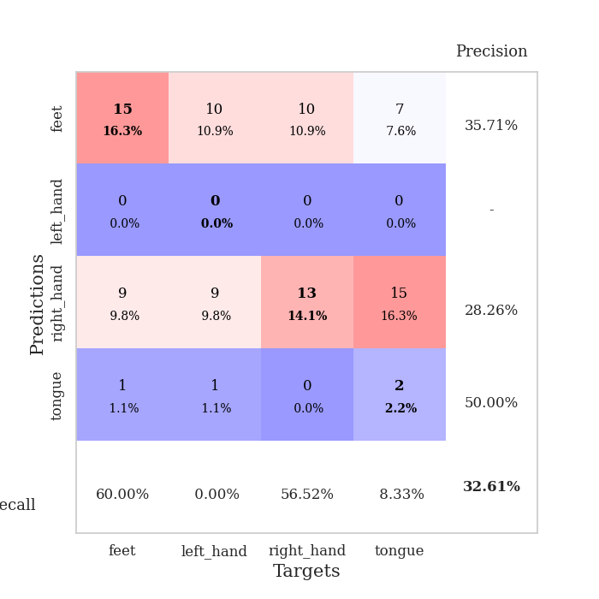
1.0029168284 | 1.5570918218 | 0.2527173913 | 0.26086956522 | 0.21194386482 | 25.27173913 | 26.086956522
0.89921583559 | 2.7512342101 | 0.25543478261 | 0.21739130435 | 0.21098089218 | 25.543478261 | 21.739130435
0.99054609433 | 1.5203941128 | 0.2527173913 | 0.26086956522 | 0.20901942253 | 25.27173913 | 26.086956522
0.96979863747 | 1.3334340686 | 0.24184782609 | 0.27173913043 | 0.21358466148 | 24.184782609 | 27.173913043
1.0665357528 | 1.3817974951 | 0.25543478261 | 0.21739130435 | 0.21442365646 | 25.543478261 | 21.739130435
0.96370464823 | 7.2068743291 | 0.25543478261 | 0.21739130435 | 0.2105038166 | 25.543478261 | 21.739130435
0.99067514098 | 1.8525426699 | 0.25543478261 | 0.21739130435 | 0.21179270744 | 25.543478261 | 21.739130435
0.93238913754 | 2.7482924358 | 0.2527173913 | 0.26086956522 | 0.21317648888 | 25.27173913 | 26.086956522
0.95614575562 | 2.85329515 | 0.25543478261 | 0.21739130435 | 0.21161746979 | 25.543478261 | 21.739130435
0.94998953394 | 6.567942184 | 0.25543478261 | 0.21739130435 | 0.21080970764 | 25.543478261 | 21.739130435
0.85372738994 | 9.4674414759 | 0.25543478261 | 0.21739130435 | 0.21143746376 | 25.543478261 | 21.739130435
0.92025964675 | 1.855332048 | 0.25543478261 | 0.21739130435 | 0.20995569229 | 25.543478261 | 21.739130435
0.96339041772 | 3.4736294124 | 0.25543478261 | 0.21739130435 | 0.21161079407 | 25.543478261 | 21.739130435
0.86397303446 | 6.2293574499 | 0.25543478261 | 0.21739130435 | 0.2102060318 | 25.543478261 | 21.739130435
0.94715808267 | 1.8284498868 | 0.2527173913 | 0.26086956522 | 0.20958280563 | 25.27173913 | 26.086956522
0.99331485189 | 2.4815712286 | 0.2527173913 | 0.26086956522 | 0.21192598343 | 25.27173913 | 26.086956522
0.8850844321 | 1.5371392551 | 0.2527173913 | 0.26086956522 | 0.21015739441 | 25.27173913 | 26.086956522
0.91833112551 | 2.6054986767 | 0.2527173913 | 0.26086956522 | 0.20944070816 | 25.27173913 | 26.086956522
0.91810082871 | 2.1251082109 | 0.2527173913 | 0.26086956522 | 0.21107530594 | 25.27173913 | 26.086956522
0.92402734186 | 1.3707370188 | 0.50815217391 | 0.47826086957 | 0.21167898178 | 50.815217391 | 47.826086957
0.91858574618 | 1.6568173948 | 0.2527173913 | 0.26086956522 | 0.21065950394 | 25.27173913 | 26.086956522
0.90922316779 | 1.6646206949 | 0.2527173913 | 0.26086956522 | 0.21172094345 | 25.27173913 | 26.086956522
0.85162467542 | 1.2365887321 | 0.25543478261 | 0.21739130435 | 0.21081519127 | 25.543478261 | 21.739130435
0.89333808163 | 1.1947964326 | 0.25543478261 | 0.21739130435 | 0.21124410629 | 25.543478261 | 21.739130435
0.90595762108 | 1.2988333287 | 0.25543478261 | 0.21739130435 | 0.21010231972 | 25.543478261 | 21.739130435
0.88098744724 | 1.4062725565 | 0.25543478261 | 0.21739130435 | 0.21171855927 | 25.543478261 | 21.739130435
0.86998889498 | 1.705359687 | 0.25543478261 | 0.21739130435 | 0.20954322815 | 25.543478261 | 21.739130435
0.91076570231 | 1.6639385068 | 0.25543478261 | 0.21739130435 | 0.21033573151 | 25.543478261 | 21.739130435
0.94183179866 | 1.5701056408 | 0.25543478261 | 0.21739130435 | 0.20856451988 | 25.543478261 | 21.739130435
0.90695052302 | 1.5919370029 | 0.25543478261 | 0.21739130435 | 0.21200823784 | 25.543478261 | 21.739130435
0.83684612616 | 1.5902067941 | 0.25543478261 | 0.21739130435 | 0.21133470535 | 25.543478261 | 21.739130435
0.86572516483 | 1.5954523864 | 0.25543478261 | 0.21739130435 | 0.20918083191 | 25.543478261 | 21.739130435

Best Val accuracy is 0.4782608695652174 and Best test accuracy is 0.49137931034482757

