Sheet
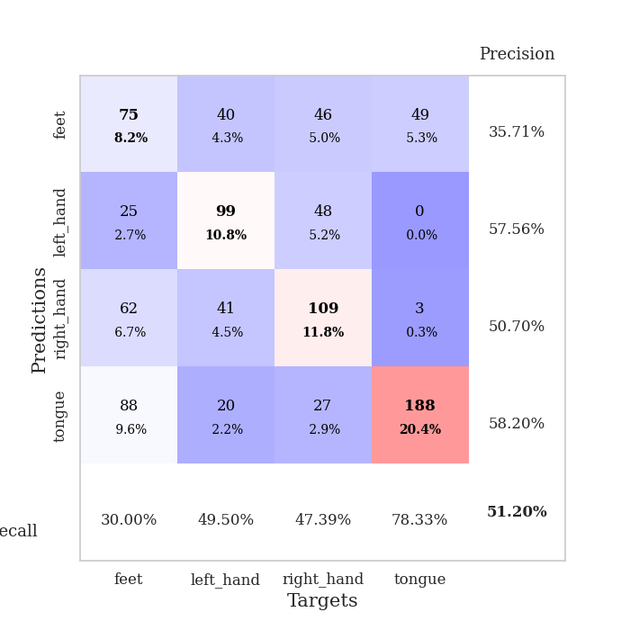
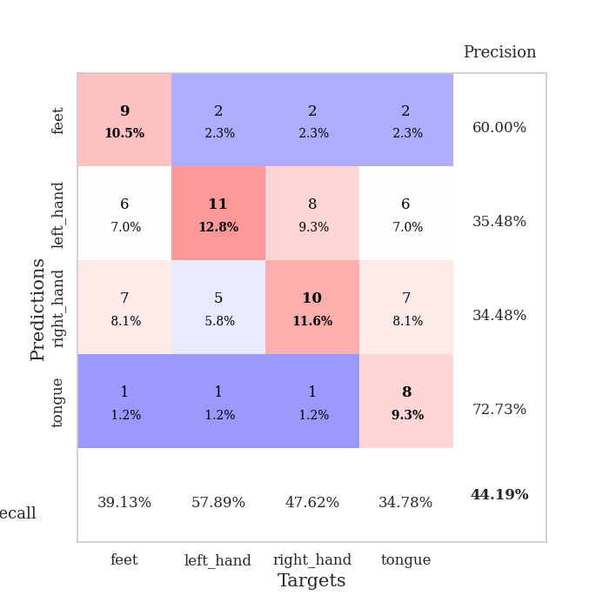

best_val_acc | best_val_los | best_test_acc
0.41304347826 | 1.5117061501 | 0.36206896552
0.42391304348 | 1.496453788 | 0.4224137931
0.45652173913 | 1.3599085238 | 0.4224137931
0.35869565217 | 1.48228268 | 0.36206896552
0.32608695652 | 1.594929918 | 0.39655172414
0.48913043478 | 1.3468154254 | 0.3275862069
0.48913043478 | 1.3656964924 | 0.50862068966
0.47826086957 | 1.3605339164 | 0.40517241379
0.4347826087 | 1.416646522 | 0.36206896552
0.4347826087 | 1.4414413338 | 0.33620689655

Mean,std Val accuracy is 0.4304347826086957 , 0.05403290400668768 and mean, std test accuracy is 0.3905172413793104 , 0.05330440406446224
best_val_acc | best_val_los | best_test_acc
0.72826086957 | 0.88365097409 | 0.74137931034
0.27173913043 | 1.4320669641 | 0.25862068966
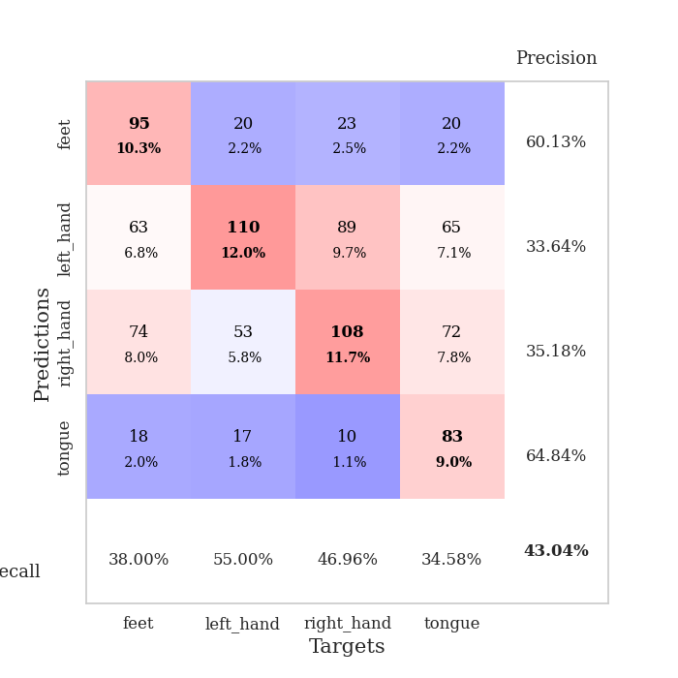
0.6847826087 | 1.0285163548 | 0.66379310345
0.48913043478 | 1.0950861133 | 0.51724137931
0.4347826087 | 1.191249438 | 0.37931034483
0.47826086957 | 1.2785286126 | 0.49137931034
0.51086956522 | 1.3093843201 | 0.47413793103
0.51086956522 | 1.3561135116 | 0.48275862069
0.26086956522 | 1.3540670716 | 0.23275862069
0.75 | 0.69780462462 | 0.77586206897

Mean,std Val accuracy is 0.5119565217391304 , 0.17051711631540611 and mean, std test accuracy is 0.5017241379310344 , 0.18461609390055186

Sheet1
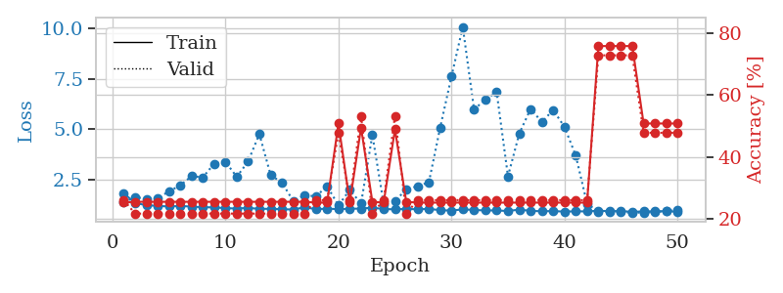
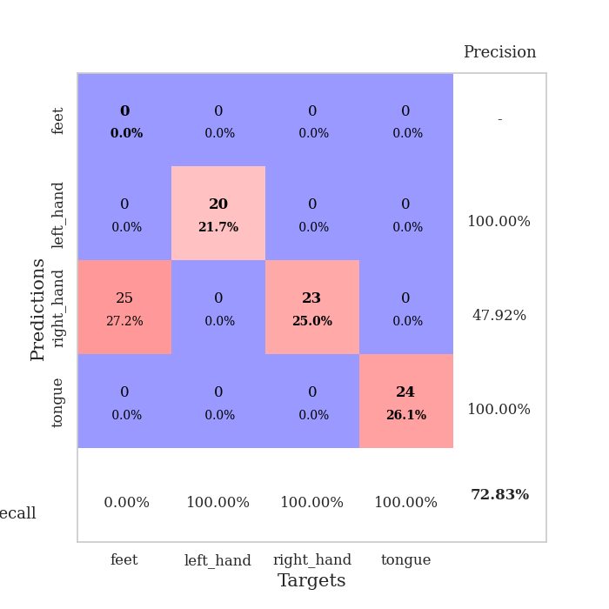
train_loss | valid_loss | train_accuracy | valid_accuracy | dur | train_misclass | valid_misclass
2.8663840605 | 2.598478649 | 0.25543478261 | 0.21739130435 | 0.084937095642 | 25.543478261 | 21.739130435
1.6365512506 | 1.7956233647 | 0.33152173913 | 0.3152173913 | 0.081573724747 | 33.152173913 | 31.52173913
1.3401824962 | 1.5669931743 | 0.42119565217 | 0.29347826087 | 0.081413269043 | 42.119565217 | 29.347826087
1.2828823406 | 1.6987337289 | 0.47826086957 | 0.3152173913 | 0.08220243454 | 47.826086957 | 31.52173913
1.2035671032 | 1.5117061501 | 0.5597826087 | 0.36956521739 | 0.081573486328 | 55.97826087 | 36.956521739
1.1446355555 | 1.5175934874 | 0.6277173913 | 0.39130434783 | 0.082523345947 | 62.77173913 | 39.130434783
1.0877190854 | 1.5467697434 | 0.70652173913 | 0.35869565217 | 0.08164691925 | 70.652173913 | 35.869565217
0.99543945686 | 1.7394459973 | 0.71195652174 | 0.33695652174 | 0.083920717239 | 71.195652174 | 33.695652174
0.93669007913 | 1.6844908932 | 0.77717391304 | 0.34782608696 | 0.082754611969 | 77.717391304 | 34.782608696
0.91204840204 | 1.5229823278 | 0.82065217391 | 0.36956521739 | 0.082512378693 | 82.065217391 | 36.956521739
0.80761044699 | 1.7627859945 | 0.79076086957 | 0.35869565217 | 0.081814527512 | 79.076086957 | 35.869565217
0.6990224136 | 2.0799638085 | 0.79891304348 | 0.32608695652 | 0.082039356232 | 79.891304348 | 32.608695652
0.68877506127 | 1.8921689469 | 0.83423913043 | 0.30434782609 | 0.082142114639 | 83.423913043 | 30.434782609
0.65912399862 | 2.0176630642 | 0.84782608696 | 0.32608695652 | 0.081965684891 | 84.782608696 | 32.608695652
0.65057540976 | 2.0110666026 | 0.90217391304 | 0.28260869565 | 0.10027480125 | 90.217391304 | 28.260869565
0.60142092601 | 2.3351015267 | 0.77173913043 | 0.29347826087 | 0.11123514175 | 77.173913043 | 29.347826087
0.53785375797 | 2.026208494 | 0.88043478261 | 0.29347826087 | 0.082096576691 | 88.043478261 | 29.347826087
0.49950964295 | 1.8143014493 | 0.92119565217 | 0.34782608696 | 0.082013368607 | 92.119565217 | 34.782608696
0.450210248 | 2.0083932877 | 0.88858695652 | 0.33695652174 | 0.082441329956 | 88.858695652 | 33.695652174
0.45000180861 | 2.0109582517 | 0.9402173913 | 0.33695652174 | 0.08202123642 | 94.02173913 | 33.695652174
0.45652919263 | 1.7530458077 | 0.98097826087 | 0.41304347826 | 0.086577653885 | 98.097826087 | 41.304347826
0.45492347751 | 2.2297928489 | 0.91847826087 | 0.3152173913 | 0.08510684967 | 91.847826087 | 31.52173913
0.37208264289 | 2.1740386953 | 0.92663043478 | 0.28260869565 | 0.082195281982 | 92.663043478 | 28.260869565
0.3796510664 | 2.5331803042 | 0.79076086957 | 0.27173913043 | 0.086467266083 | 79.076086957 | 27.173913043
0.41084789323 | 2.1197294567 | 0.95652173913 | 0.28260869565 | 0.086705207825 | 95.652173913 | 28.260869565
0.34000055362 | 2.4798974006 | 0.89945652174 | 0.29347826087 | 0.086581707001 | 89.945652174 | 29.347826087
0.32900659222 | 2.0991515958 | 0.97554347826 | 0.3152173913 | 0.086931705475 | 97.554347826 | 31.52173913
0.35005823102 | 2.2607579076 | 0.95108695652 | 0.32608695652 | 0.0865483284 | 95.108695652 | 32.608695652
0.31368317228 | 2.4373984751 | 0.9375 | 0.28260869565 | 0.087096452713 | 93.75 | 28.260869565
0.28354027155 | 2.7540971559 | 0.85326086957 | 0.28260869565 | 0.086395978928 | 85.326086957 | 28.260869565
0.3273690155 | 2.1946402788 | 0.96467391304 | 0.3152173913 | 0.087343931198 | 96.467391304 | 31.52173913
0.26917511743 | 2.5712002308 | 0.88586956522 | 0.29347826087 | 0.086533308029 | 88.586956522 | 29.347826087
0.32089526627 | 2.3582438904 | 0.94293478261 | 0.3152173913 | 0.086363792419 | 94.293478261 | 31.52173913
0.2840948228 | 2.269798087 | 0.96195652174 | 0.32608695652 | 0.086854934692 | 96.195652174 | 32.608695652
0.2248973435 | 2.2039905476 | 0.95652173913 | 0.3152173913 | 0.082137346268 | 95.652173913 | 31.52173913
0.27598436841 | 2.3583454516 | 0.96195652174 | 0.28260869565 | 0.081939220428 | 96.195652174 | 28.260869565
0.26709666557 | 2.4011519888 | 0.97282608696 | 0.3152173913 | 0.082282781601 | 97.282608696 | 31.52173913
0.26635330268 | 2.3745436046 | 0.9402173913 | 0.28260869565 | 0.081727743149 | 94.02173913 | 28.260869565
0.22781599086 | 2.3324975294 | 0.97010869565 | 0.3152173913 | 0.082114696503 | 97.010869565 | 31.52173913
0.21122921258 | 2.3580991548 | 0.95923913043 | 0.3152173913 | 0.08197426796 | 95.923913043 | 31.52173913
0.24284137721 | 2.4243201536 | 0.96467391304 | 0.30434782609 | 0.082154750824 | 96.467391304 | 30.434782609
0.22634972891 | 2.4276853696 | 0.96195652174 | 0.30434782609 | 0.082302570343 | 96.195652174 | 30.434782609
0.21858719785 | 2.4049019451 | 0.96739130435 | 0.3152173913 | 0.084589481354 | 96.739130435 | 31.52173913
0.23095938272 | 2.4265532701 | 0.96739130435 | 0.32608695652 | 0.082138776779 | 96.739130435 | 32.608695652
0.22514448542 | 2.4140665635 | 0.96739130435 | 0.32608695652 | 0.082161188126 | 96.739130435 | 32.608695652
0.21881799659 | 2.414190396 | 0.96739130435 | 0.32608695652 | 0.081904411316 | 96.739130435 | 32.608695652
0.22980224503 | 2.4189946911 | 0.96739130435 | 0.32608695652 | 0.081618309021 | 96.739130435 | 32.608695652
0.18880162259 | 2.4147643473 | 0.97010869565 | 0.32608695652 | 0.08224439621 | 97.010869565 | 32.608695652
0.2549939222 | 2.4097881784 | 0.97282608696 | 0.32608695652 | 0.081624984741 | 97.282608696 | 32.608695652
0.21421828461 | 2.4085459968 | 0.97554347826 | 0.32608695652 | 0.081808805466 | 97.554347826 | 32.608695652

Best Val accuracy is 0.41304347826086957 and Best test accuracy is 0.3620689655172414
train_loss | valid_loss | train_accuracy | valid_accuracy | dur | train_misclass | valid_misclass
1.8439585178 | 1.3925464101 | 0.2527173913 | 0.26086956522 | 0.21192789078 | 25.27173913 | 26.086956522
1.3589953754 | 1.6562301128 | 0.25543478261 | 0.21739130435 | 0.21248221397 | 25.543478261 | 21.739130435
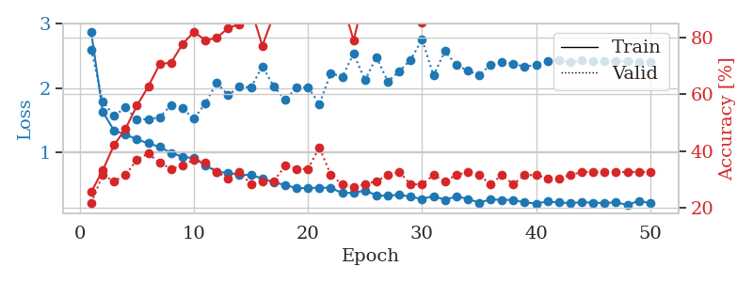
1.2554169738 | 1.5687667598 | 0.25543478261 | 0.21739130435 | 0.21150302887 | 25.543478261 | 21.739130435
1.2178391348 | 1.5826970961 | 0.25543478261 | 0.21739130435 | 0.21087265015 | 25.543478261 | 21.739130435
1.1879759042 | 1.938321777 | 0.25543478261 | 0.21739130435 | 0.21174478531 | 25.543478261 | 21.739130435
1.2151449141 | 2.2251320507 | 0.25543478261 | 0.21739130435 | 0.20901632309 | 25.543478261 | 21.739130435
1.1829627675 | 2.6888445149 | 0.25543478261 | 0.21739130435 | 0.20823574066 | 25.543478261 | 21.739130435
1.1527388459 | 2.6252996507 | 0.25543478261 | 0.21739130435 | 0.20911002159 | 25.543478261 | 21.739130435
1.1448838581 | 3.3024732652 | 0.25543478261 | 0.21739130435 | 0.20928454399 | 25.543478261 | 21.739130435
1.1068078901 | 3.3965709417 | 0.25543478261 | 0.21739130435 | 0.20855283737 | 25.543478261 | 21.739130435
1.0863745368 | 2.6548576355 | 0.25543478261 | 0.21739130435 | 0.21163582802 | 25.543478261 | 21.739130435
1.1203696495 | 3.4039681787 | 0.25543478261 | 0.21739130435 | 0.20917582512 | 25.543478261 | 21.739130435
1.069808027 | 4.7636375013 | 0.25543478261 | 0.21739130435 | 0.20892333984 | 25.543478261 | 21.739130435
1.0762343122 | 2.7409060416 | 0.25543478261 | 0.21739130435 | 0.21033406258 | 25.543478261 | 21.739130435
1.0565208819 | 2.3694792934 | 0.25543478261 | 0.21739130435 | 0.21173715591 | 25.543478261 | 21.739130435
1.0379049026 | 1.4562224668 | 0.25543478261 | 0.21739130435 | 0.2089138031 | 25.543478261 | 21.739130435
1.1467544048 | 1.7421989804 | 0.25543478261 | 0.21739130435 | 0.20889759064 | 25.543478261 | 21.739130435
1.0593029857 | 1.6927670655 | 0.2527173913 | 0.26086956522 | 0.20605993271 | 25.27173913 | 26.086956522
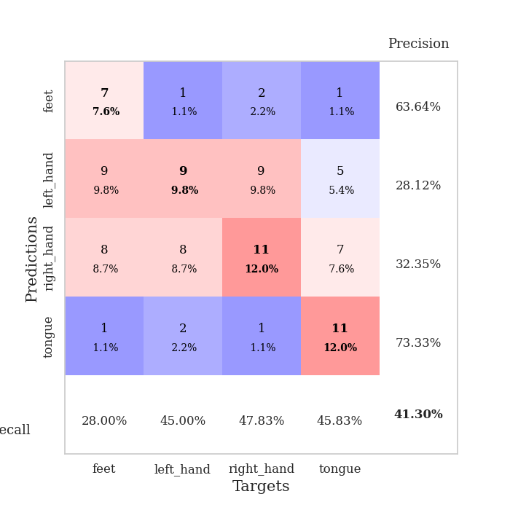
1.0775600516 | 2.1794177035 | 0.2527173913 | 0.26086956522 | 0.21001696587 | 25.27173913 | 26.086956522
1.0616448055 | 1.243101488 | 0.50815217391 | 0.47826086957 | 0.20879101753 | 50.815217391 | 47.826086957
1.0743343027 | 2.0057350501 | 0.2527173913 | 0.26086956522 | 0.21225047112 | 25.27173913 | 26.086956522
1.0867965817 | 1.3331274416 | 0.49456521739 | 0.53260869565 | 0.20907783508 | 49.456521739 | 53.260869565
1.1272290556 | 4.7238330634 | 0.25543478261 | 0.21739130435 | 0.20897817612 | 25.543478261 | 21.739130435
1.0655053102 | 1.3277023098 | 0.2527173913 | 0.26086956522 | 0.20941472054 | 25.27173913 | 26.086956522
1.0457782434 | 1.4642942885 | 0.48913043478 | 0.53260869565 | 0.20973062515 | 48.913043478 | 53.260869565
1.0692102443 | 2.0236673873 | 0.25543478261 | 0.21739130435 | 0.20872831345 | 25.543478261 | 21.739130435
1.0495728125 | 2.1955630054 | 0.2527173913 | 0.26086956522 | 0.20956921577 | 25.27173913 | 26.086956522
1.0701873251 | 2.3790621343 | 0.2527173913 | 0.26086956522 | 0.2076394558 | 25.27173913 | 26.086956522
1.0074936825 | 5.0824387799 | 0.2527173913 | 0.26086956522 | 0.20891308784 | 25.27173913 | 26.086956522
0.98440192834 | 7.6025669056 | 0.2527173913 | 0.26086956522 | 0.20862007141 | 25.27173913 | 26.086956522
1.0480819059 | 10.057269801 | 0.2527173913 | 0.26086956522 | 0.21049976349 | 25.27173913 | 26.086956522
1.0170678885 | 5.9736459359 | 0.2527173913 | 0.26086956522 | 0.21048021317 | 25.27173913 | 26.086956522
0.99399942937 | 6.4786257744 | 0.2527173913 | 0.26086956522 | 0.21111273766 | 25.27173913 | 26.086956522
0.99366278752 | 6.8331165106 | 0.2527173913 | 0.26086956522 | 0.21007227898 | 25.27173913 | 26.086956522
0.96372117426 | 2.6755901523 | 0.2527173913 | 0.26086956522 | 0.21115875244 | 25.27173913 | 26.086956522
1.0367309088 | 4.7932235262 | 0.2527173913 | 0.26086956522 | 0.20946788788 | 25.27173913 | 26.086956522
0.97178435066 | 6.0041486491 | 0.2527173913 | 0.26086956522 | 0.21020412445 | 25.27173913 | 26.086956522
0.95359370501 | 5.3661771443 | 0.2527173913 | 0.26086956522 | 0.20989274979 | 25.27173913 | 26.086956522
0.96252278919 | 5.9500447149 | 0.2527173913 | 0.26086956522 | 0.20980095863 | 25.27173913 | 26.086956522
0.93537220748 | 5.1174636094 | 0.2527173913 | 0.26086956522 | 0.21097874641 | 25.27173913 | 26.086956522
0.95259119376 | 3.6961152865 | 0.2527173913 | 0.26086956522 | 0.20905375481 | 25.27173913 | 26.086956522
0.94346898276 | 1.325728857 | 0.2527173913 | 0.26086956522 | 0.210283041 | 25.27173913 | 26.086956522
0.98112027541 | 0.93236573624 | 0.75815217391 | 0.72826086957 | 0.21027064323 | 75.815217391 | 72.826086957
0.95674667669 | 0.91994216131 | 0.75815217391 | 0.72826086957 | 0.21066665649 | 75.815217391 | 72.826086957
0.96582511715 | 0.91192530808 | 0.75815217391 | 0.72826086957 | 0.20842480659 | 75.815217391 | 72.826086957
0.92305378292 | 0.88365097409 | 0.75815217391 | 0.72826086957 | 0.21040987968 | 75.815217391 | 72.826086957
0.9490335169 | 0.88818996108 | 0.50815217391 | 0.47826086957 | 0.20705771446 | 50.815217391 | 47.826086957
0.94783808874 | 0.90986458892 | 0.50815217391 | 0.47826086957 | 0.2091588974 | 50.815217391 | 47.826086957
0.96020220414 | 0.9672056281 | 0.50815217391 | 0.47826086957 | 0.20914816856 | 50.815217391 | 47.826086957
0.92817076652 | 1.0321195177 | 0.50815217391 | 0.47826086957 | 0.20806384087 | 50.815217391 | 47.826086957

Best Val accuracy is 0.7282608695652174 and Best test accuracy is 0.7413793103448276

Sheet2
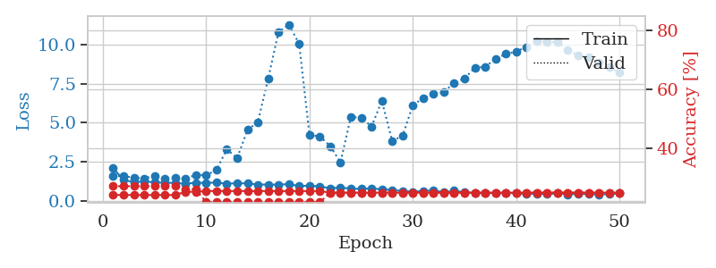
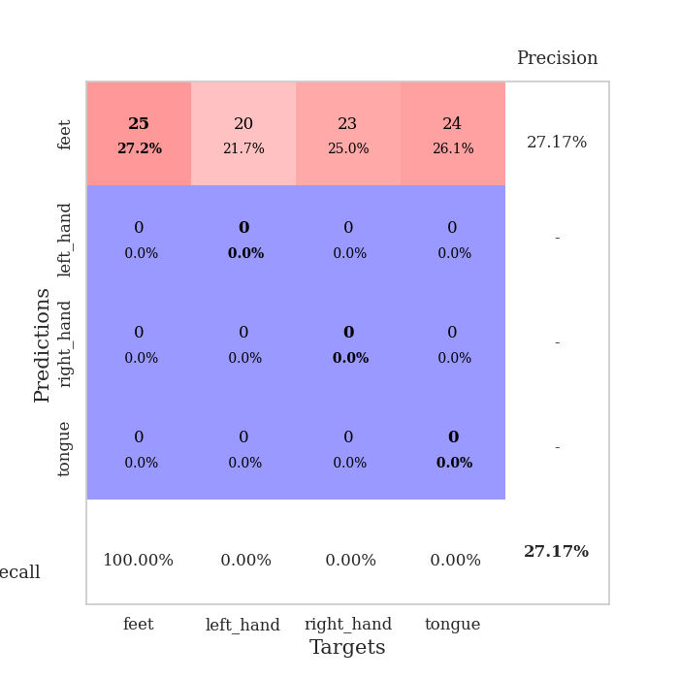
train_loss | valid_loss | train_accuracy | valid_accuracy | dur | train_misclass | valid_misclass
4.0293137198 | 5.3268848087 | 0.24184782609 | 0.27173913043 | 0.090101718903 | 24.184782609 | 27.173913043
1.6783749798 | 2.6546459094 | 0.2527173913 | 0.26086956522 | 0.081963777542 | 25.27173913 | 26.086956522
1.4002748728 | 1.6745984813 | 0.32608695652 | 0.23913043478 | 0.081513166428 | 32.608695652 | 23.913043478
1.3251403363 | 1.7894655259 | 0.40760869565 | 0.27173913043 | 0.081601858139 | 40.760869565 | 27.173913043
1.2043238801 | 1.852405149 | 0.40760869565 | 0.28260869565 | 0.081639528275 | 40.760869565 | 28.260869565
1.215172848 | 1.7006369104 | 0.47554347826 | 0.27173913043 | 0.081658124924 | 47.554347826 | 27.173913043
1.1567055479 | 1.6723528478 | 0.56793478261 | 0.26086956522 | 0.081401586533 | 56.793478261 | 26.086956522
1.0970271774 | 1.623602468 | 0.64673913043 | 0.33695652174 | 0.083559274673 | 64.673913043 | 33.695652174
1.0737471788 | 1.6696915678 | 0.67663043478 | 0.30434782609 | 0.081564188004 | 67.663043478 | 30.434782609
1.0152593644 | 1.5585583397 | 0.73641304348 | 0.3152173913 | 0.081396818161 | 73.641304348 | 31.52173913
0.96673978152 | 1.496453788 | 0.76902173913 | 0.39130434783 | 0.081514120102 | 76.902173913 | 39.130434783
0.91997061346 | 1.6589230454 | 0.7472826087 | 0.29347826087 | 0.081601858139 | 74.72826087 | 29.347826087
0.84420089359 | 1.6006115623 | 0.7527173913 | 0.30434782609 | 0.081440448761 | 75.27173913 | 30.434782609
0.77199999275 | 1.630835699 | 0.85597826087 | 0.3152173913 | 0.081491231918 | 85.597826087 | 31.52173913
0.78484366251 | 1.5896737005 | 0.78804347826 | 0.3152173913 | 0.08145570755 | 78.804347826 | 31.52173913
0.72806070291 | 1.6485741242 | 0.81793478261 | 0.32608695652 | 0.081423282623 | 81.793478261 | 32.608695652
0.72559944961 | 1.5989000123 | 0.8777173913 | 0.35869565217 | 0.081850528717 | 87.77173913 | 35.869565217
0.65775680153 | 1.5489417004 | 0.83967391304 | 0.40217391304 | 0.081673383713 | 83.967391304 | 40.217391304
0.6148269319 | 1.7826710939 | 0.78804347826 | 0.32608695652 | 0.081623792648 | 78.804347826 | 32.608695652
0.62638123398 | 1.7430849801 | 0.84782608696 | 0.32608695652 | 0.0817091465 | 84.782608696 | 32.608695652
0.54255005069 | 1.6798435761 | 0.86413043478 | 0.35869565217 | 0.081785202026 | 86.413043478 | 35.869565217
0.57293583777 | 1.658927565 | 0.91304347826 | 0.35869565217 | 0.081830024719 | 91.304347826 | 35.869565217
0.52594985003 | 1.9002819165 | 0.79891304348 | 0.3152173913 | 0.081670045853 | 79.891304348 | 31.52173913
0.45330948156 | 1.6696463461 | 0.88858695652 | 0.35869565217 | 0.081827402115 | 88.858695652 | 35.869565217
0.47199401454 | 1.8125331609 | 0.91576086957 | 0.35869565217 | 0.081682920456 | 91.576086957 | 35.869565217
0.54646892133 | 1.8140451908 | 0.79891304348 | 0.3152173913 | 0.081648349762 | 79.891304348 | 31.52173913
0.47436938726 | 1.8458500427 | 0.79347826087 | 0.35869565217 | 0.081639051437 | 79.347826087 | 35.869565217
0.422988039 | 1.5791532423 | 0.94836956522 | 0.42391304348 | 0.081803560257 | 94.836956522 | 42.391304348
0.37168791696 | 1.7832808702 | 0.89673913043 | 0.38043478261 | 0.082046985626 | 89.673913043 | 38.043478261
0.35254160088 | 1.8590533733 | 0.92119565217 | 0.35869565217 | 0.081761598587 | 92.119565217 | 35.869565217
0.40331228725 | 1.8332506781 | 0.85869565217 | 0.33695652174 | 0.081855297089 | 85.869565217 | 33.695652174
0.37727350159 | 1.880318424 | 0.85869565217 | 0.38043478261 | 0.08173084259 | 85.869565217 | 38.043478261
0.3547155951 | 1.8810487312 | 0.90489130435 | 0.36956521739 | 0.081854820251 | 90.489130435 | 36.956521739
0.25965429259 | 1.8475288101 | 0.89673913043 | 0.36956521739 | 0.081833839417 | 89.673913043 | 36.956521739
0.40268682235 | 1.8170290512 | 0.9402173913 | 0.40217391304 | 0.085660219193 | 94.02173913 | 40.217391304
0.318789061 | 1.8804441639 | 0.91032608696 | 0.36956521739 | 0.08175444603 | 91.032608696 | 36.956521739
0.31409764905 | 1.9773010689 | 0.89402173913 | 0.35869565217 | 0.081444501877 | 89.402173913 | 35.869565217
0.28294876121 | 1.881516581 | 0.91576086957 | 0.38043478261 | 0.08155465126 | 91.576086957 | 38.043478261
0.30349851788 | 1.8944641818 | 0.91847826087 | 0.39130434783 | 0.081528663635 | 91.847826087 | 39.130434783
0.266001432 | 1.8756851424 | 0.92663043478 | 0.39130434783 | 0.081577062607 | 92.663043478 | 39.130434783
0.26273244814 | 1.8699128628 | 0.9347826087 | 0.38043478261 | 0.08145236969 | 93.47826087 | 38.043478261
0.24046560798 | 1.8802306341 | 0.92934782609 | 0.40217391304 | 0.081476449966 | 92.934782609 | 40.217391304
0.29125782329 | 1.8780876968 | 0.94565217391 | 0.39130434783 | 0.081602334976 | 94.565217391 | 39.130434783
0.28570514529 | 1.8693440997 | 0.94293478261 | 0.39130434783 | 0.081507444382 | 94.293478261 | 39.130434783
0.29788549244 | 1.8789494556 | 0.94293478261 | 0.39130434783 | 0.081569433212 | 94.293478261 | 39.130434783
0.27354286773 | 1.8758596026 | 0.94836956522 | 0.40217391304 | 0.081538438797 | 94.836956522 | 40.217391304
0.24838619647 | 1.8615827664 | 0.95108695652 | 0.40217391304 | 0.081577301025 | 95.108695652 | 40.217391304
0.27291944331 | 1.8600717524 | 0.95108695652 | 0.40217391304 | 0.081640958786 | 95.108695652 | 40.217391304
0.23237303612 | 1.8550643195 | 0.95380434783 | 0.40217391304 | 0.081614255905 | 95.380434783 | 40.217391304
0.26039362796 | 1.8512056496 | 0.95380434783 | 0.41304347826 | 0.081809282303 | 95.380434783 | 41.304347826

Best Val accuracy is 0.42391304347826086 and Best test accuracy is 0.4224137931034483
train_loss | valid_loss | train_accuracy | valid_accuracy | dur | train_misclass | valid_misclass
2.0948384586 | 1.5812363469 | 0.24184782609 | 0.27173913043 | 0.21009898186 | 24.184782609 | 27.173913043
1.3414539565 | 1.587666071 | 0.24184782609 | 0.27173913043 | 0.21074223518 | 24.184782609 | 27.173913043
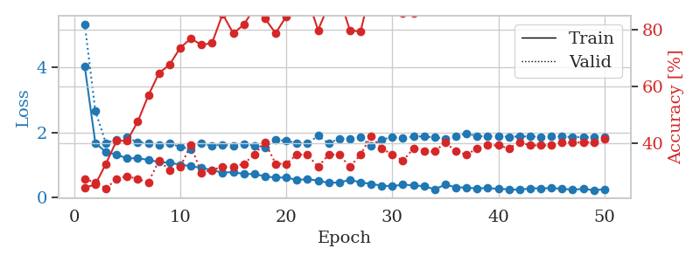
1.2020868218 | 1.4866702505 | 0.24184782609 | 0.27173913043 | 0.21141123772 | 24.184782609 | 27.173913043
1.2512872219 | 1.4421733203 | 0.24184782609 | 0.27173913043 | 0.21039843559 | 24.184782609 | 27.173913043
1.1877863252 | 1.5954574347 | 0.24184782609 | 0.27173913043 | 0.21108222008 | 24.184782609 | 27.173913043
1.1638739005 | 1.4458753493 | 0.24184782609 | 0.27173913043 | 0.20565652847 | 24.184782609 | 27.173913043
1.1475983366 | 1.4963527348 | 0.24184782609 | 0.27173913043 | 0.20896935463 | 24.184782609 | 27.173913043
1.1035455439 | 1.4320669641 | 0.2527173913 | 0.26086956522 | 0.21112585068 | 25.27173913 | 26.086956522
1.1573925381 | 1.6608201317 | 0.2527173913 | 0.26086956522 | 0.21112275124 | 25.27173913 | 26.086956522
1.1529514815 | 1.6369190786 | 0.25543478261 | 0.21739130435 | 0.21268987656 | 25.543478261 | 21.739130435
1.1745079989 | 1.9906834208 | 0.25543478261 | 0.21739130435 | 0.21105074883 | 25.543478261 | 21.739130435
1.0927791025 | 3.3012892163 | 0.25543478261 | 0.21739130435 | 0.21039295197 | 25.543478261 | 21.739130435
1.1367467253 | 2.7404458419 | 0.25543478261 | 0.21739130435 | 0.21223449707 | 25.543478261 | 21.739130435
1.1155492145 | 4.5463052211 | 0.25543478261 | 0.21739130435 | 0.21151089668 | 25.543478261 | 21.739130435
1.0489084202 | 5.0453520443 | 0.25543478261 | 0.21739130435 | 0.21281862259 | 25.543478261 | 21.739130435
1.043282356 | 7.8254010988 | 0.25543478261 | 0.21739130435 | 0.21320390701 | 25.543478261 | 21.739130435
1.0401920521 | 10.82109273 | 0.25543478261 | 0.21739130435 | 0.21080803871 | 25.543478261 | 21.739130435
1.071523726 | 11.296782494 | 0.25543478261 | 0.21739130435 | 0.20990848541 | 25.543478261 | 21.739130435
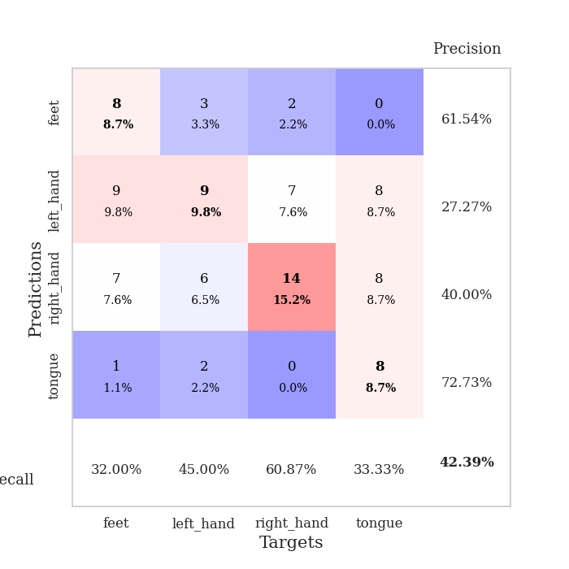
0.952456324 | 10.065240901 | 0.25543478261 | 0.21739130435 | 0.21195006371 | 25.543478261 | 21.739130435
0.97364347137 | 4.2052584316 | 0.25543478261 | 0.21739130435 | 0.21090340614 | 25.543478261 | 21.739130435
0.92418480956 | 4.1403572767 | 0.25543478261 | 0.21739130435 | 0.20957422256 | 25.543478261 | 21.739130435
0.81295896354 | 3.5103615574 | 0.25 | 0.25 | 0.20981645584 | 25 | 25
0.84898661919 | 2.4763770414 | 0.25 | 0.25 | 0.20998358727 | 25 | 25
0.7850740539 | 5.3696902731 | 0.25 | 0.25 | 0.20814776421 | 25 | 25
0.76459655295 | 5.3370993034 | 0.25 | 0.25 | 0.21156358719 | 25 | 25
0.79224034496 | 4.7661402536 | 0.25 | 0.25 | 0.20959472656 | 25 | 25
0.74353293491 | 6.4001574516 | 0.25 | 0.25 | 0.21059679985 | 25 | 25
0.69548236417 | 3.8533301457 | 0.25 | 0.25 | 0.21060228348 | 25 | 25
0.63217928487 | 4.1506796298 | 0.25 | 0.25 | 0.2106730938 | 25 | 25
0.59025523844 | 6.1321470634 | 0.25 | 0.25 | 0.20906352997 | 25 | 25
0.62435981696 | 6.5781204182 | 0.25 | 0.25 | 0.21108007431 | 25 | 25
0.67796426882 | 6.8495534607 | 0.25 | 0.25 | 0.21049761772 | 25 | 25
0.535520689 | 6.9645291826 | 0.25 | 0.25 | 0.20973110199 | 25 | 25
0.6561993529 | 7.5757909858 | 0.25 | 0.25 | 0.20984601974 | 25 | 25
0.54150825609 | 7.835327646 | 0.25 | 0.25 | 0.20266318321 | 25 | 25
0.50877941173 | 8.5361231099 | 0.25 | 0.25 | 0.21326065063 | 25 | 25
0.51236227738 | 8.5871407882 | 0.25 | 0.25 | 0.20925617218 | 25 | 25
0.49145048468 | 9.1046066284 | 0.25 | 0.25 | 0.20930027962 | 25 | 25
0.53132948862 | 9.4114380297 | 0.25 | 0.25 | 0.20759940147 | 25 | 25
0.4791130754 | 9.5682908348 | 0.25 | 0.25 | 0.21094083786 | 25 | 25
0.43088092428 | 9.8634009569 | 0.25 | 0.25 | 0.21111273766 | 25 | 25
0.47650003045 | 10.258773679 | 0.25 | 0.25 | 0.20813345909 | 25 | 25
0.42526819395 | 10.158664994 | 0.25 | 0.25 | 0.20587253571 | 25 | 25
0.48178642729 | 10.182999611 | 0.25 | 0.25 | 0.21108651161 | 25 | 25
0.41878642531 | 9.6451950488 | 0.25 | 0.25 | 0.20982074738 | 25 | 25
0.44370168966 | 9.3290084756 | 0.25 | 0.25 | 0.20802688599 | 25 | 25
0.43790793808 | 9.1993379178 | 0.25 | 0.25 | 0.20508027077 | 25 | 25
0.40600442303 | 8.8774915571 | 0.25 | 0.25 | 0.20996904373 | 25 | 25
0.43993331168 | 8.5845631102 | 0.25 | 0.25 | 0.20873522758 | 25 | 25
0.48392693634 | 8.2075853762 | 0.25 | 0.25 | 0.21044135094 | 25 | 25

Best Val accuracy is 0.2717391304347826 and Best test accuracy is 0.25862068965517243

Sheet3
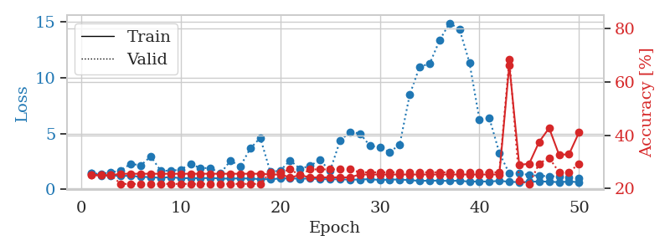
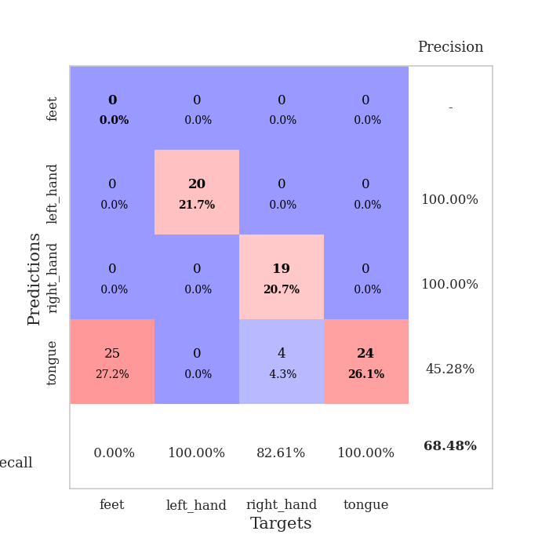
train_loss | valid_loss | train_accuracy | valid_accuracy | dur | train_misclass | valid_misclass
3.9624911961 | 1.8370058588 | 0.3097826087 | 0.29347826087 | 0.087266921997 | 30.97826087 | 29.347826087
1.6180888985 | 1.8584679002 | 0.31793478261 | 0.27173913043 | 0.081794023514 | 31.793478261 | 27.173913043
1.431865604 | 1.7576668988 | 0.36141304348 | 0.34782608696 | 0.082029342651 | 36.141304348 | 34.782608696
1.3349588228 | 1.5242743751 | 0.53804347826 | 0.3152173913 | 0.085318803787 | 53.804347826 | 31.52173913
1.253767195 | 1.6263262033 | 0.49456521739 | 0.26086956522 | 0.083729505539 | 49.456521739 | 26.086956522
1.187374527 | 1.5273893864 | 0.58967391304 | 0.33695652174 | 0.082202672958 | 58.967391304 | 33.695652174
1.1425874907 | 1.3599085238 | 0.68206521739 | 0.4347826087 | 0.084944009781 | 68.206521739 | 43.47826087
1.0199850953 | 1.3896439335 | 0.71195652174 | 0.40217391304 | 0.082122802734 | 71.195652174 | 40.217391304
0.99238363815 | 1.403164309 | 0.70380434783 | 0.40217391304 | 0.08181977272 | 70.380434783 | 40.217391304
0.98758993719 | 1.4230534097 | 0.80163043478 | 0.39130434783 | 0.08181476593 | 80.163043478 | 39.130434783
0.88672532336 | 1.3646928901 | 0.8125 | 0.4347826087 | 0.082033634186 | 81.25 | 43.47826087
0.85146817824 | 1.3830983742 | 0.82065217391 | 0.44565217391 | 0.082319259644 | 82.065217391 | 44.565217391
0.79977159915 | 1.5671386563 | 0.76358695652 | 0.35869565217 | 0.082068681717 | 76.358695652 | 35.869565217
0.76815280189 | 1.4584050749 | 0.80163043478 | 0.36956521739 | 0.081923723221 | 80.163043478 | 36.956521739
0.73931349879 | 1.5302765421 | 0.8097826087 | 0.36956521739 | 0.082045078278 | 80.97826087 | 36.956521739
0.66120987742 | 1.5095553657 | 0.83695652174 | 0.42391304348 | 0.083713769913 | 83.695652174 | 42.391304348
0.61065564078 | 1.4927904088 | 0.86684782609 | 0.38043478261 | 0.084191799164 | 86.684782609 | 38.043478261
0.59720240209 | 1.5852520829 | 0.8152173913 | 0.39130434783 | 0.082289457321 | 81.52173913 | 39.130434783
0.60166202226 | 1.5358177527 | 0.8777173913 | 0.42391304348 | 0.082009553909 | 87.77173913 | 42.391304348
0.56651196791 | 1.6748657071 | 0.76902173913 | 0.39130434783 | 0.081949710846 | 76.902173913 | 39.130434783
0.50864985844 | 1.6228791994 | 0.86413043478 | 0.39130434783 | 0.082002639771 | 86.413043478 | 39.130434783
0.43859414756 | 1.8010645172 | 0.85326086957 | 0.40217391304 | 0.08200097084 | 85.326086957 | 40.217391304
0.50905850141 | 1.7169838211 | 0.82065217391 | 0.40217391304 | 0.081955909729 | 82.065217391 | 40.217391304
0.49046650399 | 1.6988277902 | 0.84782608696 | 0.41304347826 | 0.082065105438 | 84.782608696 | 41.304347826
0.46491104429 | 1.8849257075 | 0.80706521739 | 0.38043478261 | 0.082297563553 | 80.706521739 | 38.043478261
0.48281033143 | 1.6203702844 | 0.90217391304 | 0.4347826087 | 0.082250356674 | 90.217391304 | 43.47826087
0.40618627745 | 1.8481261419 | 0.79891304348 | 0.39130434783 | 0.082091808319 | 79.891304348 | 39.130434783
0.44189151992 | 1.94703014 | 0.76902173913 | 0.39130434783 | 0.081923007965 | 76.902173913 | 39.130434783
0.39573624277 | 1.8355610371 | 0.82880434783 | 0.41304347826 | 0.081841230392 | 82.880434783 | 41.304347826
0.38722769463 | 2.0179147928 | 0.7527173913 | 0.34782608696 | 0.081954956055 | 75.27173913 | 34.782608696
0.3554793065 | 1.9980321034 | 0.76086956522 | 0.39130434783 | 0.082193851471 | 76.086956522 | 39.130434783
0.29407377541 | 2.0368566306 | 0.78804347826 | 0.38043478261 | 0.082042217255 | 78.804347826 | 38.043478261
0.31988985221 | 1.8407706489 | 0.90217391304 | 0.4347826087 | 0.084584712982 | 90.217391304 | 43.47826087
0.34421794926 | 1.8080536179 | 0.89945652174 | 0.44565217391 | 0.082025289536 | 89.945652174 | 44.565217391
0.35868445136 | 1.8666262419 | 0.86141304348 | 0.44565217391 | 0.081782102585 | 86.141304348 | 44.565217391
0.33690084647 | 1.7646477015 | 0.91847826087 | 0.45652173913 | 0.08181977272 | 91.847826087 | 45.652173913
0.26833001265 | 1.8052654888 | 0.91032608696 | 0.45652173913 | 0.081830978394 | 91.032608696 | 45.652173913
0.26595486101 | 1.8919086767 | 0.85869565217 | 0.4347826087 | 0.082324743271 | 85.869565217 | 43.47826087
0.25124516047 | 1.8885165816 | 0.86413043478 | 0.44565217391 | 0.082021951675 | 86.413043478 | 44.565217391
0.28897295374 | 1.8945512357 | 0.86956521739 | 0.4347826087 | 0.082044363022 | 86.956521739 | 43.47826087
0.30232181173 | 1.9057217163 | 0.875 | 0.4347826087 | 0.08259677887 | 87.5 | 43.47826087
0.2610316688 | 1.924082953 | 0.86956521739 | 0.44565217391 | 0.081846475601 | 86.956521739 | 44.565217391
0.25633523192 | 1.8920801308 | 0.88315217391 | 0.44565217391 | 0.081854343414 | 88.315217391 | 44.565217391
0.27209188465 | 1.9079103677 | 0.88315217391 | 0.44565217391 | 0.081710577011 | 88.315217391 | 44.565217391
0.30010192096 | 1.934295758 | 0.8722826087 | 0.44565217391 | 0.081923246384 | 87.22826087 | 44.565217391
0.30438495622 | 1.9309889648 | 0.8722826087 | 0.44565217391 | 0.082440853119 | 87.22826087 | 44.565217391
0.22465312465 | 1.9228649658 | 0.88858695652 | 0.44565217391 | 0.082036733627 | 88.858695652 | 44.565217391
0.26008916679 | 1.9212285228 | 0.88858695652 | 0.44565217391 | 0.082454681396 | 88.858695652 | 44.565217391
0.29194924154 | 1.9197569412 | 0.89402173913 | 0.44565217391 | 0.085420131683 | 89.402173913 | 44.565217391
0.28475855744 | 1.9175851449 | 0.89402173913 | 0.44565217391 | 0.082067966461 | 89.402173913 | 44.565217391

Best Val accuracy is 0.45652173913043476 and Best test accuracy is 0.4224137931034483
train_loss | valid_loss | train_accuracy | valid_accuracy | dur | train_misclass | valid_misclass
1.4930913707 | 1.4191438841 | 0.25 | 0.25 | 0.20994257927 | 25 | 25
1.2513846574 | 1.405920008 | 0.25 | 0.25 | 0.21301746368 | 25 | 25
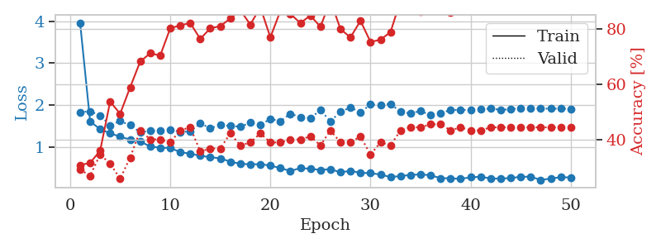
1.2292245782 | 1.5203193944 | 0.25 | 0.25 | 0.21029806137 | 25 | 25
1.214314155 | 1.7109244181 | 0.25543478261 | 0.21739130435 | 0.20993900299 | 25.543478261 | 21.739130435
1.2223069201 | 2.3029400473 | 0.25543478261 | 0.21739130435 | 0.20808649063 | 25.543478261 | 21.739130435
1.1263502292 | 2.1522576913 | 0.25543478261 | 0.21739130435 | 0.21113061905 | 25.543478261 | 21.739130435
1.1091381882 | 2.9572319259 | 0.25543478261 | 0.21739130435 | 0.20993590355 | 25.543478261 | 21.739130435
1.0363879022 | 1.6853551035 | 0.25543478261 | 0.21739130435 | 0.21193790436 | 25.543478261 | 21.739130435
1.1168761357 | 1.6753468358 | 0.25543478261 | 0.21739130435 | 0.20862722397 | 25.543478261 | 21.739130435
1.0038232622 | 1.7766451991 | 0.25543478261 | 0.21739130435 | 0.21097922325 | 25.543478261 | 21.739130435
1.0179766417 | 2.2849656706 | 0.25543478261 | 0.21739130435 | 0.20982217789 | 25.543478261 | 21.739130435
1.0053906 | 1.907724593 | 0.25543478261 | 0.21739130435 | 0.21275353432 | 25.543478261 | 21.739130435
1.0338744081 | 1.9248316858 | 0.25543478261 | 0.21739130435 | 0.21190977097 | 25.543478261 | 21.739130435
0.98120871057 | 1.4297841373 | 0.25543478261 | 0.21739130435 | 0.21293520927 | 25.543478261 | 21.739130435
0.97124605334 | 2.5728804961 | 0.25543478261 | 0.21739130435 | 0.20941114426 | 25.543478261 | 21.739130435
0.99648153264 | 2.0845280834 | 0.25543478261 | 0.21739130435 | 0.20942950249 | 25.543478261 | 21.739130435
0.97583669424 | 3.6717180169 | 0.25543478261 | 0.21739130435 | 0.20955085754 | 25.543478261 | 21.739130435
0.92262268066 | 4.6243700566 | 0.25543478261 | 0.21739130435 | 0.20898127556 | 25.543478261 | 21.739130435
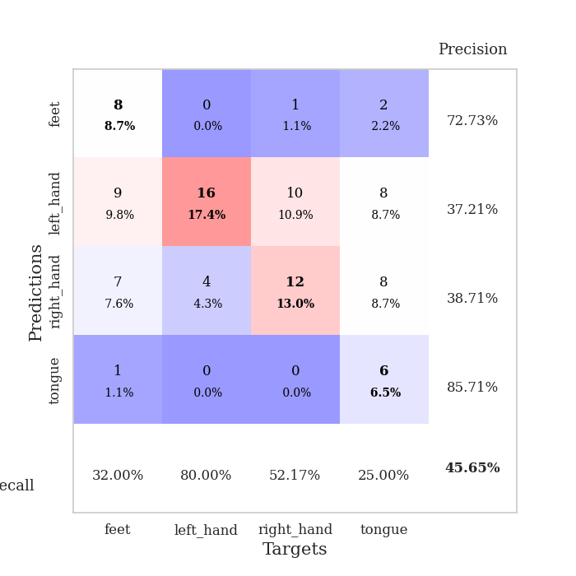
0.91822051743 | 1.5855235172 | 0.2527173913 | 0.26086956522 | 0.21180534363 | 25.27173913 | 26.086956522
0.98538567709 | 1.6881177892 | 0.2527173913 | 0.26086956522 | 0.20962643623 | 25.27173913 | 26.086956522
0.98722476026 | 2.603406139 | 0.24184782609 | 0.27173913043 | 0.20992612839 | 24.184782609 | 27.173913043
0.96857540763 | 1.8386791685 | 0.25 | 0.25 | 0.21103811264 | 25 | 25
0.97347296839 | 2.1279778066 | 0.24184782609 | 0.27173913043 | 0.20547914505 | 24.184782609 | 27.173913043
0.92738463827 | 2.6304686173 | 0.24184782609 | 0.27173913043 | 0.2091357708 | 24.184782609 | 27.173913043
0.91479532874 | 1.6548951346 | 0.24184782609 | 0.27173913043 | 0.21287322044 | 24.184782609 | 27.173913043
0.91362055229 | 4.3386115406 | 0.24184782609 | 0.27173913043 | 0.21043229103 | 24.184782609 | 27.173913043
0.88054626403 | 5.1602851412 | 0.24184782609 | 0.27173913043 | 0.21196889877 | 24.184782609 | 27.173913043
0.88858190308 | 5.0079191249 | 0.2527173913 | 0.26086956522 | 0.21059346199 | 25.27173913 | 26.086956522
0.92459194038 | 3.9241771802 | 0.2527173913 | 0.26086956522 | 0.21051216125 | 25.27173913 | 26.086956522
0.84529024103 | 3.7539570746 | 0.2527173913 | 0.26086956522 | 0.21100282669 | 25.27173913 | 26.086956522
0.88658401759 | 3.3306120168 | 0.2527173913 | 0.26086956522 | 0.20845031738 | 25.27173913 | 26.086956522
0.89360715514 | 4.0385827189 | 0.2527173913 | 0.26086956522 | 0.20264744759 | 25.27173913 | 26.086956522
0.83288242247 | 8.475144179 | 0.2527173913 | 0.26086956522 | 0.20755386353 | 25.27173913 | 26.086956522
0.76867091915 | 10.988821444 | 0.2527173913 | 0.26086956522 | 0.20483422279 | 25.27173913 | 26.086956522
0.78810405861 | 11.237608371 | 0.2527173913 | 0.26086956522 | 0.20652723312 | 25.27173913 | 26.086956522
0.78867132767 | 13.339317529 | 0.2527173913 | 0.26086956522 | 0.20895576477 | 25.27173913 | 26.086956522
0.75980135021 | 14.893612364 | 0.2527173913 | 0.26086956522 | 0.21126770973 | 25.27173913 | 26.086956522
0.78799627657 | 14.338009876 | 0.2527173913 | 0.26086956522 | 0.20970678329 | 25.27173913 | 26.086956522
0.69596203514 | 11.35154069 | 0.2527173913 | 0.26086956522 | 0.21055197716 | 25.27173913 | 26.086956522
0.7302001624 | 6.2794452543 | 0.2527173913 | 0.26086956522 | 0.21043086052 | 25.27173913 | 26.086956522
0.69950156886 | 6.3742635976 | 0.2527173913 | 0.26086956522 | 0.20994329453 | 25.27173913 | 26.086956522
0.77754019913 | 3.2820257415 | 0.2527173913 | 0.26086956522 | 0.20989370346 | 25.27173913 | 26.086956522
0.68451989734 | 1.4208085174 | 0.66304347826 | 0.6847826087 | 0.20958566666 | 66.304347826 | 68.47826087
0.65768176188 | 1.451344065 | 0.28804347826 | 0.22826086957 | 0.21264767647 | 28.804347826 | 22.826086957
0.67588625265 | 1.2899275448 | 0.29347826087 | 0.21739130435 | 0.20983362198 | 29.347826087 | 21.739130435
0.7239705687 | 1.2267060954 | 0.375 | 0.29347826087 | 0.21224308014 | 37.5 | 29.347826087
0.69268579457 | 1.1841423201 | 0.42663043478 | 0.3152173913 | 0.20873689651 | 42.663043478 | 31.52173913
0.65498344017 | 1.171277181 | 0.32608695652 | 0.26086956522 | 0.20871376991 | 32.608695652 | 26.086956522
0.71306148301 | 1.0914173956 | 0.32880434783 | 0.26086956522 | 0.21237897873 | 32.880434783 | 26.086956522
0.65228394322 | 1.0285163548 | 0.41032608696 | 0.29347826087 | 0.21179747581 | 41.032608696 | 29.347826087

Best Val accuracy is 0.6847826086956522 and Best test accuracy is 0.6637931034482759

Sheet4
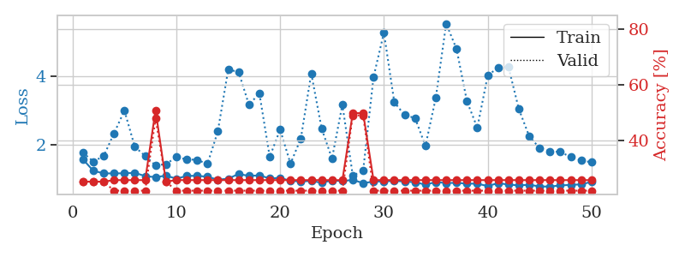
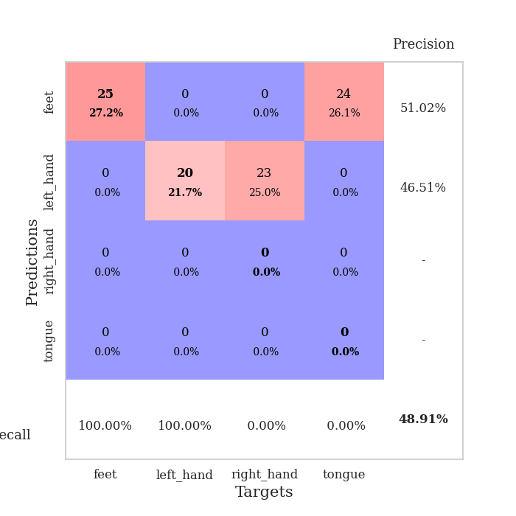
train_loss | valid_loss | train_accuracy | valid_accuracy | dur | train_misclass | valid_misclass
3.6859991395 | 2.4226030267 | 0.3152173913 | 0.29347826087 | 0.087526082993 | 31.52173913 | 29.347826087
1.6716833788 | 2.7052441473 | 0.26630434783 | 0.27173913043 | 0.084403514862 | 26.630434783 | 27.173913043
1.4654947882 | 1.7795121359 | 0.41032608696 | 0.3152173913 | 0.083797693253 | 41.032608696 | 31.52173913
1.3031670037 | 1.7463425087 | 0.47010869565 | 0.29347826087 | 0.099879264832 | 47.010869565 | 29.347826087
1.2448023661 | 1.6772253202 | 0.47282608696 | 0.28260869565 | 0.081586122513 | 47.282608696 | 28.260869565
1.1440462185 | 1.5397277293 | 0.56793478261 | 0.28260869565 | 0.081288099289 | 56.793478261 | 28.260869565
1.1524678961 | 1.48228268 | 0.63586956522 | 0.35869565217 | 0.081978559494 | 63.586956522 | 35.869565217
1.0620360919 | 1.5886500348 | 0.66847826087 | 0.3152173913 | 0.081969261169 | 66.847826087 | 31.52173913
1.0302707916 | 1.5777356728 | 0.68206521739 | 0.33695652174 | 0.081776380539 | 68.206521739 | 33.695652174
0.967545613 | 1.6588299119 | 0.73641304348 | 0.27173913043 | 0.081963539124 | 73.641304348 | 27.173913043
0.99048278384 | 1.5772529633 | 0.75 | 0.32608695652 | 0.081655502319 | 75 | 32.608695652
0.91112988928 | 1.5904541638 | 0.75543478261 | 0.3152173913 | 0.08195400238 | 75.543478261 | 31.52173913
0.85718738514 | 1.6240241424 | 0.79619565217 | 0.32608695652 | 0.081901550293 | 79.619565217 | 32.608695652
0.81437435228 | 1.6067276467 | 0.83967391304 | 0.32608695652 | 0.081902265549 | 83.967391304 | 32.608695652
0.86346180284 | 1.7436244436 | 0.79076086957 | 0.28260869565 | 0.081880807877 | 79.076086957 | 28.260869565
0.79355241941 | 1.7180848173 | 0.8777173913 | 0.29347826087 | 0.082249641418 | 87.77173913 | 29.347826087
0.73953788047 | 1.8254756254 | 0.84239130435 | 0.3152173913 | 0.08194231987 | 84.239130435 | 31.52173913
0.72254362184 | 1.7504574475 | 0.82336956522 | 0.32608695652 | 0.082020759583 | 82.336956522 | 32.608695652
0.62716492103 | 1.9174553726 | 0.82880434783 | 0.29347826087 | 0.081999778748 | 82.880434783 | 29.347826087
0.66298023773 | 2.0048716483 | 0.80434782609 | 0.29347826087 | 0.081422567368 | 80.434782609 | 29.347826087
0.66308980144 | 1.8593492093 | 0.85326086957 | 0.3152173913 | 0.082119941711 | 85.326086957 | 31.52173913
0.60262936613 | 1.8619234717 | 0.85869565217 | 0.28260869565 | 0.082389116287 | 85.869565217 | 28.260869565
0.64402775402 | 1.9073322234 | 0.83423913043 | 0.30434782609 | 0.081690311432 | 83.423913043 | 30.434782609
0.54380123382 | 1.8244058879 | 0.85597826087 | 0.35869565217 | 0.081909894943 | 85.597826087 | 35.869565217
0.51833465436 | 2.0338303214 | 0.82880434783 | 0.30434782609 | 0.081852912903 | 82.880434783 | 30.434782609
0.51425378867 | 2.0173185908 | 0.82336956522 | 0.27173913043 | 0.081888914108 | 82.336956522 | 27.173913043
0.51431962977 | 1.9995162176 | 0.8097826087 | 0.30434782609 | 0.082134485245 | 80.97826087 | 30.434782609
0.51485405668 | 2.022092529 | 0.88043478261 | 0.30434782609 | 0.082019805908 | 88.043478261 | 30.434782609
0.45384705715 | 1.9919470082 | 0.85054347826 | 0.35869565217 | 0.081902265549 | 85.054347826 | 35.869565217
0.45648333689 | 1.9263201278 | 0.90217391304 | 0.29347826087 | 0.081673145294 | 90.217391304 | 29.347826087
0.48240804348 | 1.9629988774 | 0.89945652174 | 0.33695652174 | 0.08222079277 | 89.945652174 | 33.695652174
0.4298791691 | 1.9437625305 | 0.92391304348 | 0.34782608696 | 0.081384658813 | 92.391304348 | 34.782608696
0.39942310945 | 2.0365586177 | 0.875 | 0.30434782609 | 0.082020044327 | 87.5 | 30.434782609
0.40089994215 | 2.0206519521 | 0.88858695652 | 0.29347826087 | 0.081857681274 | 88.858695652 | 29.347826087
0.4473162883 | 2.0459633185 | 0.91032608696 | 0.27173913043 | 0.081921815872 | 91.032608696 | 27.173913043
0.39324409353 | 1.9802661875 | 0.91847826087 | 0.27173913043 | 0.081657886505 | 91.847826087 | 27.173913043
0.3736891766 | 2.0640830994 | 0.90489130435 | 0.28260869565 | 0.081988573074 | 90.489130435 | 28.260869565
0.38862055734 | 2.1019602548 | 0.91847826087 | 0.27173913043 | 0.082301616669 | 91.847826087 | 27.173913043
0.41596017778 | 2.0616255325 | 0.94836956522 | 0.3152173913 | 0.081906795502 | 94.836956522 | 31.52173913
0.3263450401 | 2.0164571119 | 0.95108695652 | 0.29347826087 | 0.081855773926 | 95.108695652 | 29.347826087
0.45115049248 | 2.0550469523 | 0.92934782609 | 0.29347826087 | 0.081861495972 | 92.934782609 | 29.347826087
0.39345856821 | 2.0402237332 | 0.9347826087 | 0.3152173913 | 0.081858158112 | 93.47826087 | 31.52173913
0.35669900995 | 2.0524788939 | 0.93206521739 | 0.3152173913 | 0.082032680511 | 93.206521739 | 31.52173913
0.35158199655 | 2.0384760421 | 0.9375 | 0.30434782609 | 0.082007408142 | 93.75 | 30.434782609
0.35908132403 | 2.0269637108 | 0.9402173913 | 0.30434782609 | 0.081918478012 | 94.02173913 | 30.434782609
0.3951062058 | 2.0262983675 | 0.9402173913 | 0.30434782609 | 0.082337617874 | 94.02173913 | 30.434782609
0.33245874034 | 2.0274689405 | 0.9402173913 | 0.30434782609 | 0.082003116608 | 94.02173913 | 30.434782609
0.33567122759 | 2.0262559497 | 0.9402173913 | 0.30434782609 | 0.081877708435 | 94.02173913 | 30.434782609
0.31350657473 | 2.0232452413 | 0.94565217391 | 0.29347826087 | 0.082770824432 | 94.565217391 | 29.347826087
0.30579753123 | 2.020863108 | 0.94565217391 | 0.29347826087 | 0.083318471909 | 94.565217391 | 29.347826087

Best Val accuracy is 0.358695652173913 and Best test accuracy is 0.3620689655172414
train_loss | valid_loss | train_accuracy | valid_accuracy | dur | train_misclass | valid_misclass
1.5716568024 | 1.7677850309 | 0.25 | 0.25 | 0.20801711082 | 25 | 25
1.2354048542 | 1.5057377556 | 0.25 | 0.25 | 0.20907378197 | 25 | 25
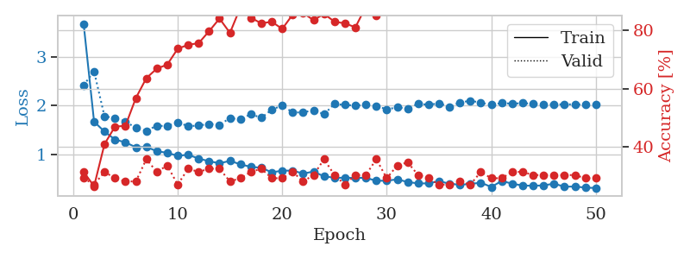
1.1594928348 | 1.6633021054 | 0.25 | 0.25 | 0.20994663239 | 25 | 25
1.1572220559 | 2.3302935828 | 0.25543478261 | 0.21739130435 | 0.21187996864 | 25.543478261 | 21.739130435
1.1621793249 | 2.9956542305 | 0.25543478261 | 0.21739130435 | 0.21118235588 | 25.543478261 | 21.739130435
1.1754795468 | 1.9360897645 | 0.25543478261 | 0.21739130435 | 0.21137690544 | 25.543478261 | 21.739130435
1.0797406072 | 1.6674987544 | 0.25543478261 | 0.21739130435 | 0.21146941185 | 25.543478261 | 21.739130435
1.0482642728 | 1.3920244704 | 0.50815217391 | 0.47826086957 | 0.21159696579 | 50.815217391 | 47.826086957
1.0933479563 | 1.429941903 | 0.25 | 0.25 | 0.2132730484 | 25 | 25
1.0049052627 | 1.6326999042 | 0.25543478261 | 0.21739130435 | 0.21158051491 | 25.543478261 | 21.739130435
1.0830663261 | 1.5684211928 | 0.25543478261 | 0.21739130435 | 0.19621443748 | 25.543478261 | 21.739130435
1.0901901566 | 1.5553133332 | 0.25543478261 | 0.21739130435 | 0.2120718956 | 25.543478261 | 21.739130435
1.0591917582 | 1.434347189 | 0.25543478261 | 0.21739130435 | 0.2095386982 | 25.543478261 | 21.739130435
0.97492223201 | 2.3888017302 | 0.25543478261 | 0.21739130435 | 0.20962905884 | 25.543478261 | 21.739130435
1.0040565444 | 4.1962365275 | 0.25543478261 | 0.21739130435 | 0.20507764816 | 25.543478261 | 21.739130435
1.1436677238 | 4.1228366727 | 0.25543478261 | 0.21739130435 | 0.20212697983 | 25.543478261 | 21.739130435
1.0832865731 | 3.1599509198 | 0.25543478261 | 0.21739130435 | 0.17041563988 | 25.543478261 | 21.739130435
1.10260066 | 3.5037639037 | 0.25543478261 | 0.21739130435 | 0.21077084541 | 25.543478261 | 21.739130435
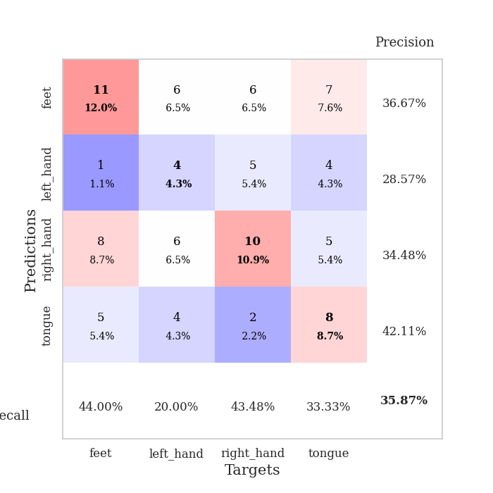
1.0092320986 | 1.6406254302 | 0.25543478261 | 0.21739130435 | 0.21002936363 | 25.543478261 | 21.739130435
1.0295062868 | 2.4396689042 | 0.25543478261 | 0.21739130435 | 0.21017026901 | 25.543478261 | 21.739130435
0.94059487789 | 1.4427714348 | 0.25543478261 | 0.21739130435 | 0.20946669579 | 25.543478261 | 21.739130435
0.92078096193 | 2.1789188903 | 0.25543478261 | 0.21739130435 | 0.21161866188 | 25.543478261 | 21.739130435
0.93955107875 | 4.086200569 | 0.25543478261 | 0.21739130435 | 0.20984268188 | 25.543478261 | 21.739130435
0.88466783192 | 2.4683162337 | 0.25543478261 | 0.21739130435 | 0.20913076401 | 25.543478261 | 21.739130435
0.9551472016 | 1.592119756 | 0.25543478261 | 0.21739130435 | 0.21038293839 | 25.543478261 | 21.739130435
0.93205887338 | 3.1685308477 | 0.25543478261 | 0.21739130435 | 0.21153879166 | 25.543478261 | 21.739130435
0.97034761958 | 1.0950861133 | 0.4972826087 | 0.48913043478 | 0.21015286446 | 49.72826087 | 48.913043478
0.87305586753 | 1.2359214244 | 0.4972826087 | 0.48913043478 | 0.21163415909 | 49.72826087 | 48.913043478
0.91969185808 | 3.9736745668 | 0.25543478261 | 0.21739130435 | 0.20939588547 | 25.543478261 | 21.739130435
0.92669108121 | 5.2737541406 | 0.25543478261 | 0.21739130435 | 0.2131485939 | 25.543478261 | 21.739130435
0.93740396137 | 3.2422944463 | 0.25543478261 | 0.21739130435 | 0.21236109734 | 25.543478261 | 21.739130435
0.92342799384 | 2.8607141142 | 0.25543478261 | 0.21739130435 | 0.20946669579 | 25.543478261 | 21.739130435
0.89956997011 | 2.7775497333 | 0.25543478261 | 0.21739130435 | 0.21009612083 | 25.543478261 | 21.739130435
0.83124563746 | 1.9612255096 | 0.25543478261 | 0.21739130435 | 0.21252202988 | 25.543478261 | 21.739130435
0.9037612573 | 3.3676985969 | 0.25543478261 | 0.21739130435 | 0.21258187294 | 25.543478261 | 21.739130435
0.87859988472 | 5.5388250144 | 0.25543478261 | 0.21739130435 | 0.21157193184 | 25.543478261 | 21.739130435
0.8813288471 | 4.7925465418 | 0.25543478261 | 0.21739130435 | 0.21090602875 | 25.543478261 | 21.739130435
0.86119117944 | 3.2652838645 | 0.25543478261 | 0.21739130435 | 0.20996499062 | 25.543478261 | 21.739130435
0.85714905158 | 2.4956195147 | 0.25543478261 | 0.21739130435 | 0.21080374718 | 25.543478261 | 21.739130435
0.78869940794 | 4.0192134899 | 0.25543478261 | 0.21739130435 | 0.20917916298 | 25.543478261 | 21.739130435
0.8742432076 | 4.2507509563 | 0.25543478261 | 0.21739130435 | 0.21146988869 | 25.543478261 | 21.739130435
0.83273026995 | 4.2690558641 | 0.25543478261 | 0.21739130435 | 0.21149945259 | 25.543478261 | 21.739130435
0.80728081517 | 3.0396632319 | 0.25543478261 | 0.21739130435 | 0.21029758453 | 25.543478261 | 21.739130435
0.82703554112 | 2.243046999 | 0.25543478261 | 0.21739130435 | 0.21188020706 | 25.543478261 | 21.739130435
0.77719535258 | 1.9004901699 | 0.25543478261 | 0.21739130435 | 0.21050429344 | 25.543478261 | 21.739130435
0.77447208114 | 1.8031386241 | 0.25543478261 | 0.21739130435 | 0.21157670021 | 25.543478261 | 21.739130435
0.80559516471 | 1.7874269693 | 0.25543478261 | 0.21739130435 | 0.20999073982 | 25.543478261 | 21.739130435
0.82333380761 | 1.6359667571 | 0.25543478261 | 0.21739130435 | 0.21168065071 | 25.543478261 | 21.739130435
0.83762999721 | 1.5401412871 | 0.25543478261 | 0.21739130435 | 0.21164941788 | 25.543478261 | 21.739130435
0.9116024375 | 1.4827527378 | 0.25543478261 | 0.21739130435 | 0.2120616436 | 25.543478261 | 21.739130435

Best Val accuracy is 0.4891304347826087 and Best test accuracy is 0.5172413793103449

Sheet5
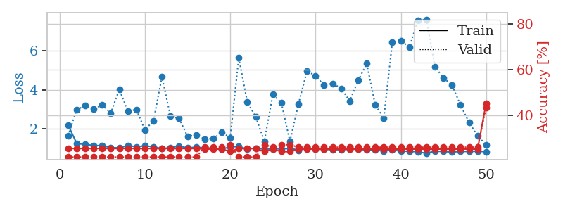
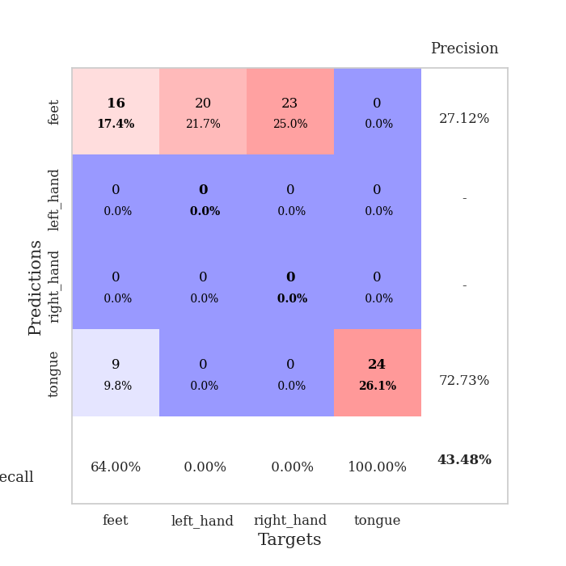
train_loss | valid_loss | train_accuracy | valid_accuracy | dur | train_misclass | valid_misclass
4.6257034488 | 2.4283191328 | 0.24184782609 | 0.27173913043 | 0.084048509598 | 24.184782609 | 27.173913043
1.6966017536 | 1.6699598768 | 0.3777173913 | 0.22826086957 | 0.081530094147 | 37.77173913 | 22.826086957
1.3650550117 | 1.8386802414 | 0.3722826087 | 0.22826086957 | 0.081529140472 | 37.22826087 | 22.826086957
1.2460051542 | 1.7607385335 | 0.48641304348 | 0.3152173913 | 0.081548452377 | 48.641304348 | 31.52173913
1.2014631603 | 1.7030431136 | 0.52989130435 | 0.29347826087 | 0.081742286682 | 52.989130435 | 29.347826087
1.1762950083 | 1.6484865935 | 0.57336956522 | 0.27173913043 | 0.086102485657 | 57.336956522 | 27.173913043
1.1210777941 | 1.6622418476 | 0.67391304348 | 0.28260869565 | 0.08259510994 | 67.391304348 | 28.260869565
1.0748554779 | 1.594929918 | 0.64945652174 | 0.25 | 0.082014322281 | 64.945652174 | 25
1.044739801 | 1.6718818571 | 0.67119565217 | 0.28260869565 | 0.081624031067 | 67.119565217 | 28.260869565
0.93496716022 | 1.8226991114 | 0.70923913043 | 0.27173913043 | 0.081700563431 | 70.923913043 | 27.173913043
0.93453267605 | 1.7952161613 | 0.70108695652 | 0.26086956522 | 0.081769704819 | 70.108695652 | 26.086956522
0.80248010677 | 1.8603526976 | 0.75543478261 | 0.29347826087 | 0.081912517548 | 75.543478261 | 29.347826087
0.81868788989 | 1.88288755 | 0.7472826087 | 0.27173913043 | 0.081975221634 | 74.72826087 | 27.173913043
0.82627294115 | 1.9193454929 | 0.80706521739 | 0.30434782609 | 0.081726789474 | 80.706521739 | 30.434782609
0.73533549905 | 1.953021516 | 0.79076086957 | 0.29347826087 | 0.081886053085 | 79.076086957 | 29.347826087
0.78618960795 | 2.0077176301 | 0.67934782609 | 0.29347826087 | 0.082016706467 | 67.934782609 | 29.347826087
0.70835720845 | 1.7638726442 | 0.89945652174 | 0.3152173913 | 0.081914424896 | 89.945652174 | 31.52173913
0.6495152673 | 1.9829136341 | 0.7472826087 | 0.3152173913 | 0.08212351799 | 74.72826087 | 31.52173913
0.59662061671 | 2.1771742676 | 0.67934782609 | 0.27173913043 | 0.081951141357 | 67.934782609 | 27.173913043
0.59165572861 | 2.0707573165 | 0.79076086957 | 0.29347826087 | 0.081975460052 | 79.076086957 | 29.347826087
0.59207471687 | 2.0142841857 | 0.80434782609 | 0.29347826087 | 0.08204126358 | 80.434782609 | 29.347826087
0.55780520063 | 1.9902400659 | 0.80706521739 | 0.3152173913 | 0.082220554352 | 80.706521739 | 31.52173913
0.58731752181 | 2.2228830483 | 0.73913043478 | 0.26086956522 | 0.085228443146 | 73.913043478 | 26.086956522
0.62387317289 | 2.0882494657 | 0.84782608696 | 0.28260869565 | 0.082107782364 | 84.782608696 | 28.260869565
0.50037314192 | 2.3119229026 | 0.74184782609 | 0.27173913043 | 0.082062482834 | 74.184782609 | 27.173913043
0.44281156426 | 2.0423608966 | 0.875 | 0.32608695652 | 0.082129478455 | 87.5 | 32.608695652
0.46757938745 | 2.4942771145 | 0.70923913043 | 0.29347826087 | 0.084595918655 | 70.923913043 | 29.347826087
0.50112313291 | 2.15010303 | 0.80163043478 | 0.26086956522 | 0.081965923309 | 80.163043478 | 26.086956522
0.48110042318 | 2.419094293 | 0.71195652174 | 0.29347826087 | 0.082470417023 | 71.195652174 | 29.347826087
0.44176387139 | 2.2476563765 | 0.73369565217 | 0.27173913043 | 0.082111120224 | 73.369565217 | 27.173913043
0.47332187386 | 2.3133705388 | 0.74184782609 | 0.27173913043 | 0.08197259903 | 74.184782609 | 27.173913043
0.43201188095 | 2.3296741403 | 0.73913043478 | 0.28260869565 | 0.082084417343 | 73.913043478 | 28.260869565
0.38592817084 | 2.5333862719 | 0.66847826087 | 0.26086956522 | 0.082150220871 | 66.847826087 | 26.086956522
0.39966972043 | 2.5551788289 | 0.6847826087 | 0.27173913043 | 0.082285642624 | 68.47826087 | 27.173913043
0.37652238815 | 2.4253180545 | 0.73913043478 | 0.28260869565 | 0.082013130188 | 73.913043478 | 28.260869565
0.34354017157 | 2.5075118231 | 0.69836956522 | 0.27173913043 | 0.081993103027 | 69.836956522 | 27.173913043
0.37465503488 | 2.2783971766 | 0.8152173913 | 0.27173913043 | 0.082100868225 | 81.52173913 | 27.173913043
0.35596082084 | 2.4940867009 | 0.71195652174 | 0.27173913043 | 0.081991195679 | 71.195652174 | 27.173913043
0.35762707695 | 2.6732628967 | 0.67934782609 | 0.27173913043 | 0.08203792572 | 67.934782609 | 27.173913043
0.33937231516 | 2.6494347635 | 0.70652173913 | 0.27173913043 | 0.082262992859 | 70.652173913 | 27.173913043
0.38779986682 | 2.5303250914 | 0.73369565217 | 0.27173913043 | 0.082062959671 | 73.369565217 | 27.173913043
0.33435214181 | 2.5107168322 | 0.7472826087 | 0.27173913043 | 0.082083940506 | 74.72826087 | 27.173913043
0.32661777054 | 2.5400785052 | 0.72826086957 | 0.27173913043 | 0.082185268402 | 72.826086957 | 27.173913043
0.3395539587 | 2.5438558848 | 0.72010869565 | 0.26086956522 | 0.082113981247 | 72.010869565 | 26.086956522
0.38163853437 | 2.5791384241 | 0.71739130435 | 0.27173913043 | 0.081960439682 | 71.739130435 | 27.173913043
0.33226831128 | 2.5662713673 | 0.72282608696 | 0.27173913043 | 0.082170248032 | 72.282608696 | 27.173913043
0.35893716501 | 2.567505681 | 0.72554347826 | 0.27173913043 | 0.082032442093 | 72.554347826 | 27.173913043
0.36147398113 | 2.5718691556 | 0.72826086957 | 0.27173913043 | 0.082146883011 | 72.826086957 | 27.173913043
0.32088680922 | 2.5701740617 | 0.73097826087 | 0.27173913043 | 0.082090854645 | 73.097826087 | 27.173913043
0.28314360069 | 2.5701179815 | 0.73097826087 | 0.27173913043 | 0.086069107056 | 73.097826087 | 27.173913043

Best Val accuracy is 0.32608695652173914 and Best test accuracy is 0.39655172413793105
train_loss | valid_loss | train_accuracy | valid_accuracy | dur | train_misclass | valid_misclass
2.2048625998 | 1.6582948902 | 0.25543478261 | 0.21739130435 | 0.21182441711 | 25.543478261 | 21.739130435
1.2684893245 | 2.9853982822 | 0.25543478261 | 0.21739130435 | 0.21086001396 | 25.543478261 | 21.739130435
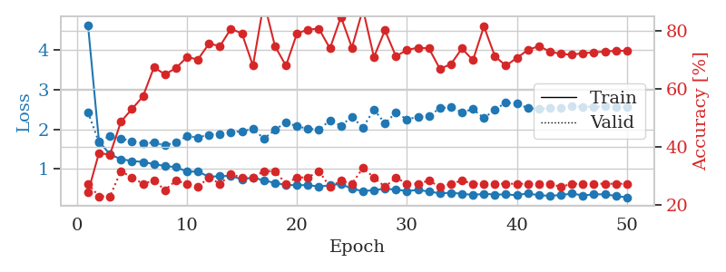
1.2119537151 | 3.1799835848 | 0.25543478261 | 0.21739130435 | 0.20990896225 | 25.543478261 | 21.739130435
1.1658808148 | 3.0206665889 | 0.25543478261 | 0.21739130435 | 0.20920276642 | 25.543478261 | 21.739130435
1.1474357092 | 3.2146171176 | 0.25543478261 | 0.21739130435 | 0.20984148979 | 25.543478261 | 21.739130435
1.0537164548 | 2.8128420063 | 0.25543478261 | 0.21739130435 | 0.21083927155 | 25.543478261 | 21.739130435
1.0366128087 | 4.0142608726 | 0.25543478261 | 0.21739130435 | 0.20902872086 | 25.543478261 | 21.739130435
1.1571749527 | 2.9092204778 | 0.25543478261 | 0.21739130435 | 0.2092871666 | 25.543478261 | 21.739130435
1.0957829564 | 2.9885303145 | 0.25543478261 | 0.21739130435 | 0.20851922035 | 25.543478261 | 21.739130435
1.1416680269 | 1.9549113253 | 0.25543478261 | 0.21739130435 | 0.20918750763 | 25.543478261 | 21.739130435
1.0926285179 | 2.410928042 | 0.25543478261 | 0.21739130435 | 0.21164608002 | 25.543478261 | 21.739130435
0.99887599634 | 4.6577061363 | 0.25543478261 | 0.21739130435 | 0.21087169647 | 25.543478261 | 21.739130435
1.0523796082 | 2.6446580887 | 0.25543478261 | 0.21739130435 | 0.21022200584 | 25.543478261 | 21.739130435
1.1349350059 | 2.5442808918 | 0.25543478261 | 0.21739130435 | 0.20944786072 | 25.543478261 | 21.739130435
1.0329450395 | 1.6192563098 | 0.25543478261 | 0.21739130435 | 0.20953178406 | 25.543478261 | 21.739130435
1.0786499588 | 1.6924804242 | 0.25543478261 | 0.21739130435 | 0.21058440208 | 25.543478261 | 21.739130435
1.0224249907 | 1.4943218179 | 0.2527173913 | 0.26086956522 | 0.20940375328 | 25.27173913 | 26.086956522
1.0392535147 | 1.5089803986 | 0.2527173913 | 0.26086956522 | 0.21200156212 | 25.27173913 | 26.086956522
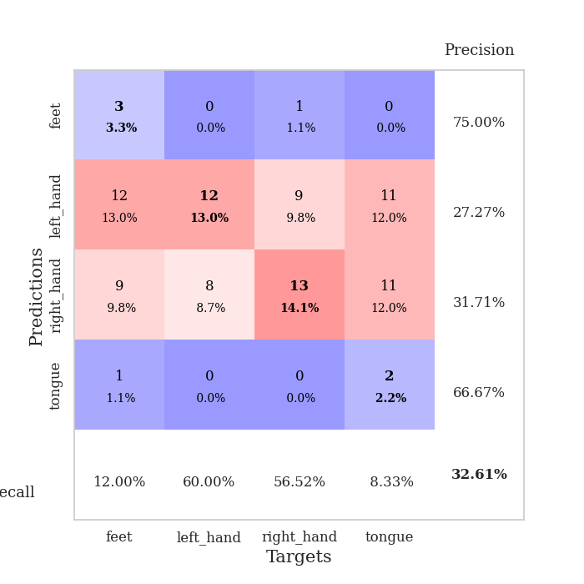
0.97634180214 | 1.8261218486 | 0.2527173913 | 0.26086956522 | 0.21197676659 | 25.27173913 | 26.086956522
1.0878367191 | 1.560863018 | 0.24184782609 | 0.27173913043 | 0.21140480042 | 24.184782609 | 27.173913043
1.1079612504 | 5.6225889662 | 0.25543478261 | 0.21739130435 | 0.21137976646 | 25.543478261 | 21.739130435
0.97587972361 | 3.3839665807 | 0.25543478261 | 0.21739130435 | 0.21312475204 | 25.543478261 | 21.739130435
1.0279557109 | 2.6117229254 | 0.25543478261 | 0.21739130435 | 0.21241760254 | 25.543478261 | 21.739130435
0.98078016354 | 1.3736732991 | 0.24184782609 | 0.27173913043 | 0.21165347099 | 24.184782609 | 27.173913043
0.99224791838 | 3.759664463 | 0.2527173913 | 0.26086956522 | 0.21259260178 | 25.27173913 | 26.086956522
0.99016013353 | 3.3294053596 | 0.24184782609 | 0.27173913043 | 0.21107053757 | 24.184782609 | 27.173913043
1.0213580054 | 1.3640289669 | 0.24184782609 | 0.27173913043 | 0.21347737312 | 24.184782609 | 27.173913043
0.91837742536 | 3.2821410324 | 0.2527173913 | 0.26086956522 | 0.21101427078 | 25.27173913 | 26.086956522
1.0156933821 | 4.9451270518 | 0.2527173913 | 0.26086956522 | 0.21096491814 | 25.27173913 | 26.086956522
0.99114104717 | 4.7115604359 | 0.2527173913 | 0.26086956522 | 0.21118116379 | 25.27173913 | 26.086956522
0.96335647935 | 4.2278105902 | 0.2527173913 | 0.26086956522 | 0.21301460266 | 25.27173913 | 26.086956522
0.94457182159 | 4.3200752631 | 0.2527173913 | 0.26086956522 | 0.21165537834 | 25.27173913 | 26.086956522
0.9455545415 | 4.0725748954 | 0.2527173913 | 0.26086956522 | 0.21078658104 | 25.27173913 | 26.086956522
0.97924741196 | 3.4214540668 | 0.2527173913 | 0.26086956522 | 0.20986413956 | 25.27173913 | 26.086956522
0.96210998815 | 4.4720217871 | 0.2527173913 | 0.26086956522 | 0.2115457058 | 25.27173913 | 26.086956522
0.93258677877 | 5.3286997961 | 0.2527173913 | 0.26086956522 | 0.21103072166 | 25.27173913 | 26.086956522
0.93418431541 | 3.2216893175 | 0.2527173913 | 0.26086956522 | 0.21189808846 | 25.27173913 | 26.086956522
0.86973062806 | 2.557723035 | 0.2527173913 | 0.26086956522 | 0.21331119537 | 25.27173913 | 26.086956522
0.94651359061 | 6.4076461792 | 0.2527173913 | 0.26086956522 | 0.21198391914 | 25.27173913 | 26.086956522
0.86086857319 | 6.5046543453 | 0.2527173913 | 0.26086956522 | 0.21236848831 | 25.27173913 | 26.086956522
0.87534819219 | 6.1632478963 | 0.2527173913 | 0.26086956522 | 0.21206474304 | 25.27173913 | 26.086956522
0.83014636973 | 7.5377700432 | 0.2527173913 | 0.26086956522 | 0.21240472794 | 25.27173913 | 26.086956522
0.77000026599 | 7.5811221911 | 0.2527173913 | 0.26086956522 | 0.21108269691 | 25.27173913 | 26.086956522
0.87019033277 | 5.1615293544 | 0.2527173913 | 0.26086956522 | 0.21131634712 | 25.27173913 | 26.086956522
0.85605561992 | 4.5998146845 | 0.2527173913 | 0.26086956522 | 0.21283459663 | 25.27173913 | 26.086956522
0.82494708766 | 4.2361380328 | 0.2527173913 | 0.26086956522 | 0.21169614792 | 25.27173913 | 26.086956522
0.86009266584 | 3.2164354324 | 0.2527173913 | 0.26086956522 | 0.21344828606 | 25.27173913 | 26.086956522
0.85406144287 | 2.3300237552 | 0.2527173913 | 0.26086956522 | 0.21139097214 | 25.27173913 | 26.086956522
0.8784224093 | 1.6489605644 | 0.2527173913 | 0.26086956522 | 0.21152019501 | 25.27173913 | 26.086956522
0.83242378546 | 1.191249438 | 0.45380434783 | 0.4347826087 | 0.21321368217 | 45.380434783 | 43.47826087

Best Val accuracy is 0.43478260869565216 and Best test accuracy is 0.3793103448275862

Sheet6
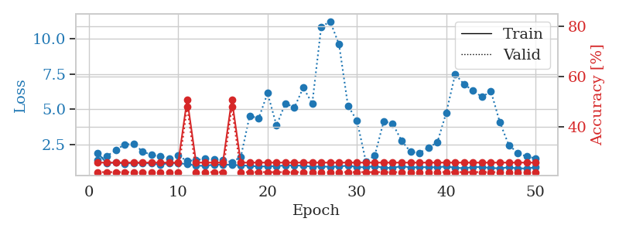
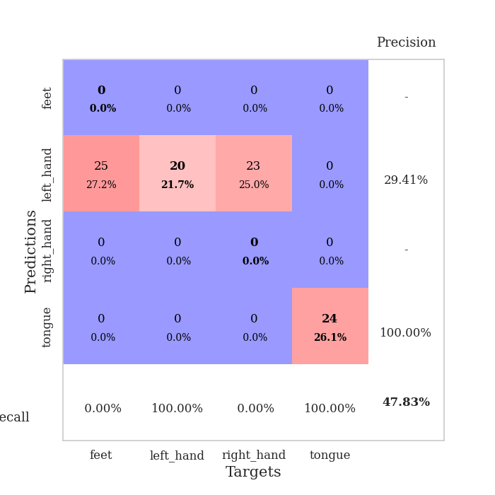
train_loss | valid_loss | train_accuracy | valid_accuracy | dur | train_misclass | valid_misclass
3.4713907035 | 3.9616439757 | 0.25 | 0.25 | 0.085208415985 | 25 | 25
1.6573115846 | 2.7248795136 | 0.36684782609 | 0.35869565217 | 0.081811904907 | 36.684782609 | 35.869565217
1.3598879265 | 1.8726223293 | 0.33152173913 | 0.28260869565 | 0.081887960434 | 33.152173913 | 28.260869565
1.3236571188 | 1.7456367949 | 0.44293478261 | 0.32608695652 | 0.082048177719 | 44.293478261 | 32.608695652
1.1899256214 | 1.5288871941 | 0.53260869565 | 0.32608695652 | 0.081666707993 | 53.260869565 | 32.608695652
1.0962606176 | 1.4534148807 | 0.67663043478 | 0.32608695652 | 0.081574678421 | 67.663043478 | 32.608695652
1.045773006 | 1.3745833635 | 0.70380434783 | 0.33695652174 | 0.084143161774 | 70.380434783 | 33.695652174
1.0187605956 | 1.4366408068 | 0.72554347826 | 0.38043478261 | 0.082254171371 | 72.554347826 | 38.043478261
0.93823656569 | 1.49796857 | 0.75 | 0.32608695652 | 0.082125425339 | 75 | 32.608695652
0.88754591994 | 1.3468154254 | 0.8125 | 0.38043478261 | 0.083893537521 | 81.25 | 38.043478261
0.88532272759 | 1.4210143089 | 0.75815217391 | 0.35869565217 | 0.082101821899 | 75.815217391 | 35.869565217
0.8051073914 | 1.4184317019 | 0.76902173913 | 0.35869565217 | 0.082031965256 | 76.902173913 | 35.869565217
0.76279046743 | 1.4971208365 | 0.79076086957 | 0.39130434783 | 0.081632614136 | 79.076086957 | 39.130434783
0.71857721521 | 1.6020550521 | 0.82608695652 | 0.33695652174 | 0.082065820694 | 82.608695652 | 33.695652174
0.61515225664 | 1.929772574 | 0.76358695652 | 0.33695652174 | 0.08691573143 | 76.358695652 | 33.695652174
0.68841582148 | 1.4764928455 | 0.79076086957 | 0.4347826087 | 0.086428642273 | 79.076086957 | 43.47826087
0.64149292526 | 1.5148757852 | 0.88858695652 | 0.41304347826 | 0.082990407944 | 88.858695652 | 41.304347826
0.59755836881 | 1.5379802611 | 0.9402173913 | 0.36956521739 | 0.082197666168 | 94.02173913 | 36.956521739
0.52957443051 | 1.7116175527 | 0.90217391304 | 0.38043478261 | 0.086465358734 | 90.217391304 | 38.043478261
0.57062378526 | 1.3810965289 | 0.95652173913 | 0.42391304348 | 0.087061166763 | 95.652173913 | 42.391304348
0.53148189641 | 1.5876666929 | 0.875 | 0.48913043478 | 0.086920499802 | 87.5 | 48.913043478
0.47784694446 | 1.6427992945 | 0.89130434783 | 0.38043478261 | 0.081982135773 | 89.130434783 | 38.043478261
0.49598019019 | 1.8560296608 | 0.83152173913 | 0.38043478261 | 0.081948280334 | 83.152173913 | 38.043478261
0.49349556539 | 1.5550943561 | 0.96195652174 | 0.38043478261 | 0.081783771515 | 96.195652174 | 38.043478261
0.48120344268 | 1.7313621096 | 0.90760869565 | 0.36956521739 | 0.081908941269 | 90.760869565 | 36.956521739
0.46098203633 | 1.6811047637 | 0.89130434783 | 0.39130434783 | 0.081770181656 | 89.130434783 | 39.130434783
0.38503222686 | 1.6807813904 | 0.94293478261 | 0.36956521739 | 0.08175778389 | 94.293478261 | 36.956521739
0.39969905369 | 1.6833326454 | 0.94836956522 | 0.35869565217 | 0.08228302002 | 94.836956522 | 35.869565217
0.36316670348 | 1.7760317792 | 0.92663043478 | 0.34782608696 | 0.082210540771 | 92.663043478 | 34.782608696
0.37583794283 | 2.0023646044 | 0.83695652174 | 0.35869565217 | 0.081836938858 | 83.695652174 | 35.869565217
0.42892649964 | 1.7655144101 | 0.95108695652 | 0.35869565217 | 0.081740140915 | 95.108695652 | 35.869565217
0.42249547399 | 1.7223584393 | 0.97010869565 | 0.36956521739 | 0.081781625748 | 97.010869565 | 36.956521739
0.35157904288 | 1.7360741159 | 0.96739130435 | 0.38043478261 | 0.081689357758 | 96.739130435 | 38.043478261
0.36513696417 | 1.7583372437 | 0.94565217391 | 0.36956521739 | 0.082090139389 | 94.565217391 | 36.956521739
0.31894813802 | 1.7357191988 | 0.95380434783 | 0.39130434783 | 0.081775426865 | 95.380434783 | 39.130434783
0.32025588595 | 1.7933122801 | 0.91847826087 | 0.34782608696 | 0.081844329834 | 91.847826087 | 34.782608696
0.32431752073 | 1.8096072777 | 0.92663043478 | 0.33695652174 | 0.081713914871 | 92.663043478 | 33.695652174
0.34134380779 | 1.8213591161 | 0.92663043478 | 0.33695652174 | 0.081857919693 | 92.663043478 | 33.695652174
0.31178144463 | 1.7559198711 | 0.95652173913 | 0.33695652174 | 0.081748247147 | 95.652173913 | 33.695652174
0.2823585058 | 1.750950917 | 0.95923913043 | 0.35869565217 | 0.081764698029 | 95.923913043 | 35.869565217
0.23885667324 | 1.7916445525 | 0.95380434783 | 0.32608695652 | 0.08163022995 | 95.380434783 | 32.608695652
0.27334394176 | 1.796521814 | 0.95923913043 | 0.33695652174 | 0.081608057022 | 95.923913043 | 33.695652174
0.25406696907 | 1.8175292585 | 0.95652173913 | 0.32608695652 | 0.081867456436 | 95.652173913 | 32.608695652
0.2851164166 | 1.8483378628 | 0.95652173913 | 0.32608695652 | 0.081806898117 | 95.652173913 | 32.608695652
0.32675127879 | 1.8545625987 | 0.95108695652 | 0.34782608696 | 0.08177614212 | 95.108695652 | 34.782608696
0.30611162017 | 1.8271336815 | 0.95923913043 | 0.34782608696 | 0.082010030746 | 95.923913043 | 34.782608696
0.27777147876 | 1.8156658204 | 0.96195652174 | 0.35869565217 | 0.081987857819 | 96.195652174 | 35.869565217
0.30107922852 | 1.8112987384 | 0.96467391304 | 0.35869565217 | 0.081860780716 | 96.467391304 | 35.869565217
0.26070209884 | 1.8100721681 | 0.96467391304 | 0.35869565217 | 0.08195567131 | 96.467391304 | 35.869565217
0.31980676593 | 1.8085938277 | 0.96467391304 | 0.35869565217 | 0.081805229187 | 96.467391304 | 35.869565217

Best Val accuracy is 0.4891304347826087 and Best test accuracy is 0.3275862068965517
train_loss | valid_loss | train_accuracy | valid_accuracy | dur | train_misclass | valid_misclass
1.9107057426 | 1.4464441642 | 0.25543478261 | 0.21739130435 | 0.20948290825 | 25.543478261 | 21.739130435
1.2056172412 | 1.6998140294 | 0.25543478261 | 0.21739130435 | 0.21319437027 | 25.543478261 | 21.739130435
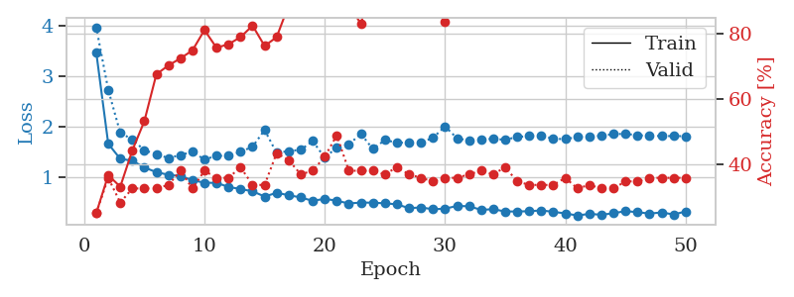
1.2448265267 | 2.1211087911 | 0.25543478261 | 0.21739130435 | 0.21170449257 | 25.543478261 | 21.739130435
1.1714119678 | 2.5279977633 | 0.25543478261 | 0.21739130435 | 0.20991015434 | 25.543478261 | 21.739130435
1.2124847899 | 2.5536805443 | 0.25543478261 | 0.21739130435 | 0.209826231 | 25.543478261 | 21.739130435
1.2160745315 | 2.0435624019 | 0.25543478261 | 0.21739130435 | 0.21131539345 | 25.543478261 | 21.739130435
1.1782933163 | 1.7801525696 | 0.25543478261 | 0.21739130435 | 0.21196675301 | 25.543478261 | 21.739130435
1.1047199576 | 1.6887024019 | 0.25543478261 | 0.21739130435 | 0.20989537239 | 25.543478261 | 21.739130435
1.2076607191 | 1.5344800068 | 0.25543478261 | 0.21739130435 | 0.21155142784 | 25.543478261 | 21.739130435
1.1938704174 | 1.7383198738 | 0.25543478261 | 0.21739130435 | 0.21415400505 | 25.543478261 | 21.739130435
1.1488751717 | 1.3553975406 | 0.50815217391 | 0.47826086957 | 0.2127161026 | 50.815217391 | 47.826086957
1.0274006854 | 1.4251802538 | 0.25543478261 | 0.21739130435 | 0.21273303032 | 25.543478261 | 21.739130435
1.018282315 | 1.5172832375 | 0.25543478261 | 0.21739130435 | 0.21192646027 | 25.543478261 | 21.739130435
1.0970161972 | 1.4857439373 | 0.25543478261 | 0.21739130435 | 0.20983481407 | 25.543478261 | 21.739130435
1.109516986 | 1.4456688839 | 0.25543478261 | 0.21739130435 | 0.20987892151 | 25.543478261 | 21.739130435
1.0811067794 | 1.2785286126 | 0.50815217391 | 0.47826086957 | 0.21119594574 | 50.815217391 | 47.826086957
1.0567845832 | 1.6342793548 | 0.25543478261 | 0.21739130435 | 0.21196842194 | 25.543478261 | 21.739130435
1.0158647454 | 4.5598641686 | 0.25543478261 | 0.21739130435 | 0.21114587784 | 25.543478261 | 21.739130435
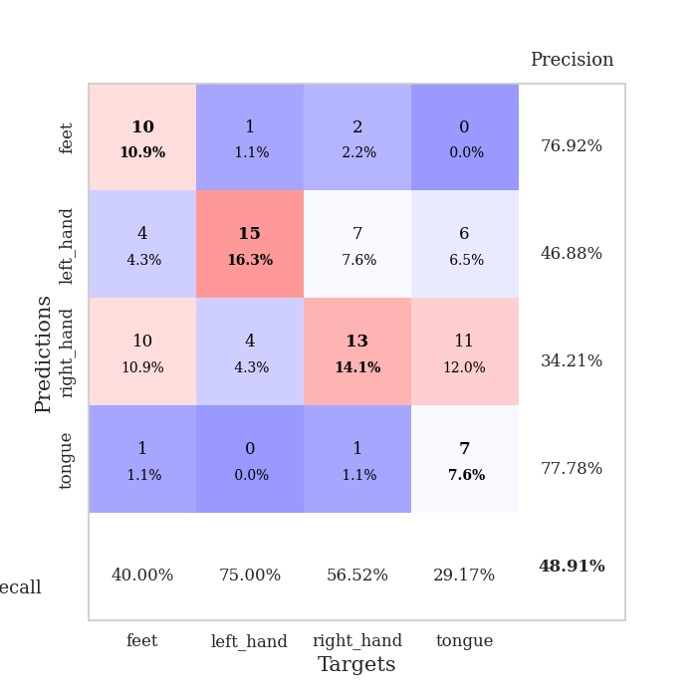
0.96394256664 | 4.3577717905 | 0.25543478261 | 0.21739130435 | 0.20942211151 | 25.543478261 | 21.739130435
0.979758882 | 6.149041549 | 0.25543478261 | 0.21739130435 | 0.21277952194 | 25.543478261 | 21.739130435
0.99887925386 | 3.8628455452 | 0.25543478261 | 0.21739130435 | 0.21057581902 | 25.543478261 | 21.739130435
1.0426484813 | 5.4332826241 | 0.25543478261 | 0.21739130435 | 0.21170783043 | 25.543478261 | 21.739130435
1.0479524965 | 5.1338912715 | 0.25543478261 | 0.21739130435 | 0.21099066734 | 25.543478261 | 21.739130435
1.0200099815 | 6.542673111 | 0.25543478261 | 0.21739130435 | 0.20935082436 | 25.543478261 | 21.739130435
0.95620256922 | 5.414324636 | 0.25543478261 | 0.21739130435 | 0.21086621284 | 25.543478261 | 21.739130435
0.97316639061 | 10.808688247 | 0.25543478261 | 0.21739130435 | 0.20969676971 | 25.543478261 | 21.739130435
0.9481763762 | 11.226091965 | 0.25543478261 | 0.21739130435 | 0.21059799194 | 25.543478261 | 21.739130435
0.96767993077 | 9.5904972242 | 0.25543478261 | 0.21739130435 | 0.2100622654 | 25.543478261 | 21.739130435
1.034145915 | 5.2528619974 | 0.25543478261 | 0.21739130435 | 0.21035718918 | 25.543478261 | 21.739130435
0.92675025826 | 4.2194205989 | 0.25543478261 | 0.21739130435 | 0.21358919144 | 25.543478261 | 21.739130435
0.91119865749 | 1.3300437875 | 0.25543478261 | 0.21739130435 | 0.21314287186 | 25.543478261 | 21.739130435
1.0018235056 | 1.7490211155 | 0.25543478261 | 0.21739130435 | 0.21198940277 | 25.543478261 | 21.739130435
0.8725401811 | 4.16283962 | 0.25543478261 | 0.21739130435 | 0.21365642548 | 25.543478261 | 21.739130435
0.86902053719 | 3.9898460844 | 0.25543478261 | 0.21739130435 | 0.20994234085 | 25.543478261 | 21.739130435
0.99702579042 | 2.7899793853 | 0.25543478261 | 0.21739130435 | 0.20917844772 | 25.543478261 | 21.739130435
0.89857136944 | 2.0053507867 | 0.25543478261 | 0.21739130435 | 0.21294879913 | 25.543478261 | 21.739130435
0.92534342797 | 1.9268754773 | 0.25543478261 | 0.21739130435 | 0.21248269081 | 25.543478261 | 21.739130435
0.9145526264 | 2.2987609428 | 0.25543478261 | 0.21739130435 | 0.21168398857 | 25.543478261 | 21.739130435
0.91496404617 | 2.6736354932 | 0.25543478261 | 0.21739130435 | 0.21301245689 | 25.543478261 | 21.739130435
0.97075629753 | 4.7662474798 | 0.25543478261 | 0.21739130435 | 0.21302914619 | 25.543478261 | 21.739130435
0.88435275658 | 7.4928529988 | 0.25543478261 | 0.21739130435 | 0.21334147453 | 25.543478261 | 21.739130435
0.8467527291 | 6.7676857036 | 0.25543478261 | 0.21739130435 | 0.21301221848 | 25.543478261 | 21.739130435
0.92264279334 | 6.3340647946 | 0.25543478261 | 0.21739130435 | 0.21014285088 | 25.543478261 | 21.739130435
0.93694181028 | 5.8771106057 | 0.25543478261 | 0.21739130435 | 0.21186542511 | 25.543478261 | 21.739130435
0.85392734279 | 6.279318768 | 0.25543478261 | 0.21739130435 | 0.21287989616 | 25.543478261 | 21.739130435
0.8487678533 | 4.0845393513 | 0.25543478261 | 0.21739130435 | 0.2122604847 | 25.543478261 | 21.739130435
0.90796130377 | 2.4867979858 | 0.25543478261 | 0.21739130435 | 0.21138739586 | 25.543478261 | 21.739130435
0.83581332279 | 1.9244507396 | 0.25543478261 | 0.21739130435 | 0.21037364006 | 25.543478261 | 21.739130435
0.83575480399 | 1.6709742339 | 0.25543478261 | 0.21739130435 | 0.21206998825 | 25.543478261 | 21.739130435
0.90702756591 | 1.54933138 | 0.25543478261 | 0.21739130435 | 0.21313643456 | 25.543478261 | 21.739130435

Best Val accuracy is 0.4782608695652174 and Best test accuracy is 0.49137931034482757

Sheet7
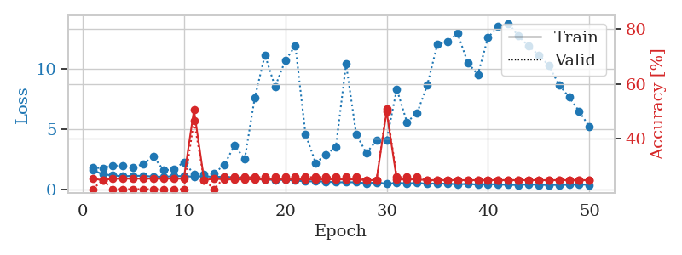
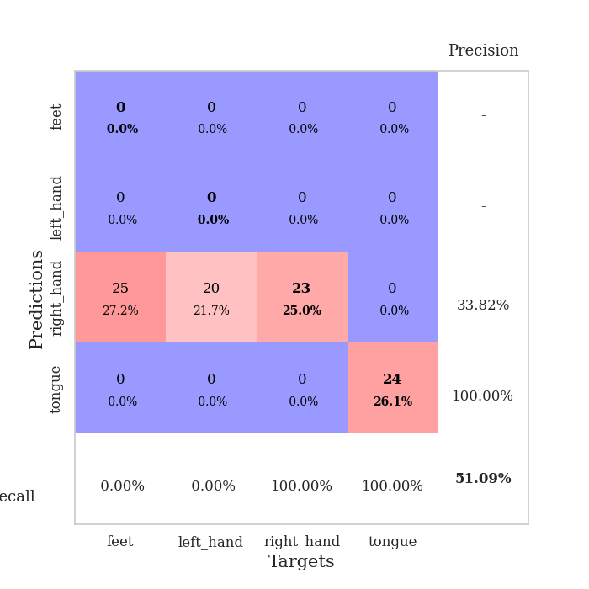
train_loss | valid_loss | train_accuracy | valid_accuracy | dur | train_misclass | valid_misclass
3.3737037752 | 8.5601454196 | 0.2527173913 | 0.26086956522 | 0.084099769592 | 25.27173913 | 26.086956522
1.769607093 | 4.2825708908 | 0.2527173913 | 0.26086956522 | 0.08184504509 | 25.27173913 | 26.086956522
1.4183888746 | 1.704268725 | 0.34239130435 | 0.26086956522 | 0.081579208374 | 34.239130435 | 26.086956522
1.3214202497 | 1.5953007522 | 0.42934782609 | 0.26086956522 | 0.081575393677 | 42.934782609 | 26.086956522
1.2540006974 | 1.6135104014 | 0.45380434783 | 0.29347826087 | 0.081556797028 | 45.380434783 | 29.347826087
1.16988442 | 1.527730439 | 0.56793478261 | 0.34782608696 | 0.082055091858 | 56.793478261 | 34.782608696
1.0617927287 | 1.5066845365 | 0.6277173913 | 0.32608695652 | 0.081948518753 | 62.77173913 | 32.608695652
1.0694630846 | 1.4717651917 | 0.59239130435 | 0.33695652174 | 0.081623077393 | 59.239130435 | 33.695652174
1.0173001419 | 1.3982242864 | 0.68206521739 | 0.35869565217 | 0.08176445961 | 68.206521739 | 35.869565217
0.92946314034 | 1.3656964924 | 0.73097826087 | 0.34782608696 | 0.082080364227 | 73.097826087 | 34.782608696
0.88852416951 | 1.5078448783 | 0.73641304348 | 0.40217391304 | 0.081599473953 | 73.641304348 | 40.217391304
0.83917124116 | 1.4021636351 | 0.77989130435 | 0.36956521739 | 0.081794977188 | 77.989130435 | 36.956521739
0.84478403174 | 1.4463976362 | 0.76630434783 | 0.38043478261 | 0.081709623337 | 76.630434783 | 38.043478261
0.75213609701 | 1.4244414775 | 0.78260869565 | 0.42391304348 | 0.081533193588 | 78.260869565 | 42.391304348
0.7357246487 | 1.5341150398 | 0.83967391304 | 0.40217391304 | 0.081922054291 | 83.967391304 | 40.217391304
0.77269362626 | 1.7396896818 | 0.74184782609 | 0.29347826087 | 0.081755638123 | 74.184782609 | 29.347826087
0.6839269905 | 1.5895521071 | 0.79347826087 | 0.34782608696 | 0.08181977272 | 79.347826087 | 34.782608696
0.65454452841 | 1.6958515385 | 0.71739130435 | 0.32608695652 | 0.082110643387 | 71.739130435 | 32.608695652
0.61274643307 | 1.5416413027 | 0.875 | 0.41304347826 | 0.082006931305 | 87.5 | 41.304347826
0.59404920106 | 1.5759654874 | 0.83423913043 | 0.39130434783 | 0.087389707565 | 83.423913043 | 39.130434783
0.51959926149 | 1.5289908077 | 0.8722826087 | 0.39130434783 | 0.083534955978 | 87.22826087 | 39.130434783
0.51313363728 | 1.4258097203 | 0.92391304348 | 0.47826086957 | 0.082445144653 | 92.391304348 | 47.826086957
0.44694234625 | 1.5056120157 | 0.9402173913 | 0.38043478261 | 0.082252264023 | 94.02173913 | 38.043478261
0.48678075101 | 1.5063551975 | 0.92934782609 | 0.40217391304 | 0.08222413063 | 92.934782609 | 40.217391304
0.49314999062 | 1.70287153 | 0.8777173913 | 0.41304347826 | 0.082117557526 | 87.77173913 | 41.304347826
0.50333011539 | 1.5012899534 | 0.88858695652 | 0.48913043478 | 0.082176923752 | 88.858695652 | 48.913043478
0.55104527849 | 1.5262039641 | 0.90217391304 | 0.40217391304 | 0.082222700119 | 90.217391304 | 40.217391304
0.41486480249 | 1.6545742232 | 0.88043478261 | 0.42391304348 | 0.082113027573 | 88.043478261 | 42.391304348
0.37713535324 | 1.6140134179 | 0.89130434783 | 0.4347826087 | 0.082566738129 | 89.130434783 | 43.47826087
0.37851756228 | 1.5453772804 | 0.9402173913 | 0.42391304348 | 0.082257509232 | 94.02173913 | 42.391304348
0.36252858263 | 1.9032976161 | 0.79891304348 | 0.36956521739 | 0.082173585892 | 79.891304348 | 36.956521739
0.4161797574 | 1.668788034 | 0.90760869565 | 0.41304347826 | 0.08242559433 | 90.760869565 | 41.304347826
0.33941267787 | 1.7310293913 | 0.85597826087 | 0.38043478261 | 0.082122325897 | 85.597826087 | 38.043478261
0.35290043995 | 1.7330131686 | 0.8722826087 | 0.39130434783 | 0.082115888596 | 87.22826087 | 39.130434783
0.29510780975 | 1.713080826 | 0.90217391304 | 0.40217391304 | 0.082173585892 | 90.217391304 | 40.217391304
0.31016654586 | 1.6883211084 | 0.91576086957 | 0.38043478261 | 0.082029819489 | 91.576086957 | 38.043478261
0.38710950121 | 1.6194580327 | 0.9402173913 | 0.41304347826 | 0.082007884979 | 94.02173913 | 41.304347826
0.31858357658 | 1.6922453331 | 0.91304347826 | 0.42391304348 | 0.082091808319 | 91.304347826 | 42.391304348
0.24086068279 | 1.7110641262 | 0.94293478261 | 0.38043478261 | 0.081967115402 | 94.293478261 | 38.043478261
0.27752995426 | 1.7536968148 | 0.94293478261 | 0.38043478261 | 0.081852674484 | 94.293478261 | 38.043478261
0.26756871071 | 1.7874777421 | 0.92663043478 | 0.38043478261 | 0.082000017166 | 92.663043478 | 38.043478261
0.27484243104 | 1.8069570842 | 0.91576086957 | 0.39130434783 | 0.081897258759 | 91.576086957 | 39.130434783
0.29378522706 | 1.7107502326 | 0.94293478261 | 0.40217391304 | 0.081906795502 | 94.293478261 | 40.217391304
0.28069218216 | 1.7033076234 | 0.94565217391 | 0.40217391304 | 0.082070350647 | 94.565217391 | 40.217391304
0.28501680688 | 1.7202744639 | 0.94293478261 | 0.40217391304 | 0.082548379898 | 94.293478261 | 40.217391304
0.29064567387 | 1.7156409958 | 0.94836956522 | 0.40217391304 | 0.082522392273 | 94.836956522 | 40.217391304
0.27359777041 | 1.7136231661 | 0.95108695652 | 0.40217391304 | 0.0826587677 | 95.108695652 | 40.217391304
0.26601547489 | 1.7117924276 | 0.95380434783 | 0.40217391304 | 0.082324981689 | 95.380434783 | 40.217391304
0.25294922098 | 1.7075217703 | 0.95380434783 | 0.40217391304 | 0.082561969757 | 95.380434783 | 40.217391304
0.24386162214 | 1.7056606282 | 0.95652173913 | 0.40217391304 | 0.082457065582 | 95.652173913 | 40.217391304

Best Val accuracy is 0.4891304347826087 and Best test accuracy is 0.5086206896551724
train_loss | valid_loss | train_accuracy | valid_accuracy | dur | train_misclass | valid_misclass
1.6432030045 | 1.8572902317 | 0.25543478261 | 0.21739130435 | 0.20930361748 | 25.543478261 | 21.739130435
1.2813992967 | 1.7785300949 | 0.25 | 0.25 | 0.21295762062 | 25 | 25
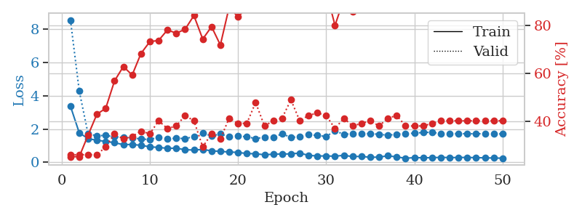
1.1964728573 | 2.0239417449 | 0.25543478261 | 0.21739130435 | 0.21087932587 | 25.543478261 | 21.739130435
1.1160999407 | 1.9769979871 | 0.25543478261 | 0.21739130435 | 0.20983171463 | 25.543478261 | 21.739130435
1.1620853466 | 1.8774087325 | 0.25543478261 | 0.21739130435 | 0.20921635628 | 25.543478261 | 21.739130435
1.1539654317 | 2.1346339557 | 0.25543478261 | 0.21739130435 | 0.21014213562 | 25.543478261 | 21.739130435
1.1001285781 | 2.7561005302 | 0.25543478261 | 0.21739130435 | 0.21056056023 | 25.543478261 | 21.739130435
1.0777993254 | 1.6299228461 | 0.25543478261 | 0.21739130435 | 0.20893669128 | 25.543478261 | 21.739130435
1.1332030452 | 1.6804839632 | 0.25543478261 | 0.21739130435 | 0.21051216125 | 25.543478261 | 21.739130435
1.1356822771 | 2.2974727465 | 0.25543478261 | 0.21739130435 | 0.21150994301 | 25.543478261 | 21.739130435
1.082558054 | 1.3223069958 | 0.50543478261 | 0.46739130435 | 0.2109079361 | 50.543478261 | 46.739130435
1.1308315137 | 1.3093843201 | 0.25 | 0.25 | 0.21052670479 | 25 | 25
1.0640187238 | 1.3733823144 | 0.25543478261 | 0.21739130435 | 0.21005630493 | 25.543478261 | 21.739130435
1.0979111791 | 2.0676341938 | 0.2527173913 | 0.26086956522 | 0.21060562134 | 25.27173913 | 26.086956522
1.0163073306 | 3.7084794148 | 0.2527173913 | 0.26086956522 | 0.21033382416 | 25.27173913 | 26.086956522
0.99925460764 | 2.5317468332 | 0.2527173913 | 0.26086956522 | 0.20930171013 | 25.27173913 | 26.086956522
0.99676649726 | 7.6571836679 | 0.2527173913 | 0.26086956522 | 0.21029353142 | 25.27173913 | 26.086956522
0.8845244672 | 11.168220935 | 0.2527173913 | 0.26086956522 | 0.21044445038 | 25.27173913 | 26.086956522
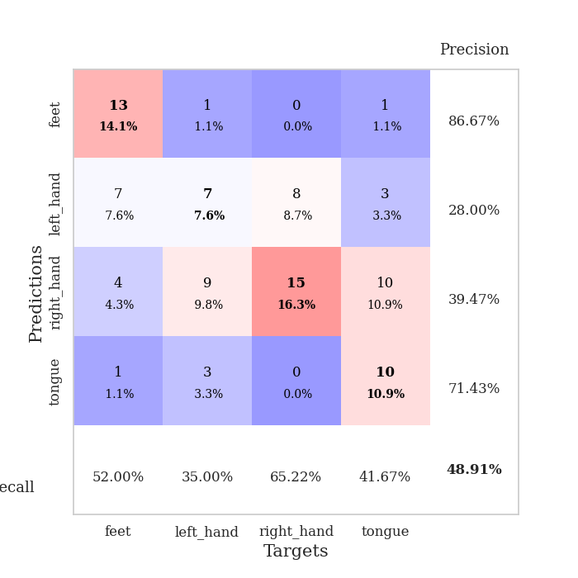
0.79567125569 | 8.5448307991 | 0.2527173913 | 0.26086956522 | 0.20908665657 | 25.27173913 | 26.086956522
0.83457110498 | 10.706516805 | 0.2527173913 | 0.26086956522 | 0.20877885818 | 25.27173913 | 26.086956522
0.76696421789 | 11.942472665 | 0.2527173913 | 0.26086956522 | 0.21068716049 | 25.27173913 | 26.086956522
0.69973456989 | 4.5973917816 | 0.2527173913 | 0.26086956522 | 0.21100521088 | 25.27173913 | 26.086956522
0.69910193526 | 2.2275359423 | 0.2527173913 | 0.26086956522 | 0.21009540558 | 25.27173913 | 26.086956522
0.68240800629 | 2.8974660376 | 0.2527173913 | 0.26086956522 | 0.21296453476 | 25.27173913 | 26.086956522
0.62345420407 | 3.5751345676 | 0.2527173913 | 0.26086956522 | 0.21164250374 | 25.27173913 | 26.086956522
0.62577370327 | 10.433325021 | 0.2527173913 | 0.26086956522 | 0.21244049072 | 25.27173913 | 26.086956522
0.62512824846 | 4.6110276243 | 0.2527173913 | 0.26086956522 | 0.21005630493 | 25.27173913 | 26.086956522
0.55022276744 | 3.0437070701 | 0.25 | 0.25 | 0.21069812775 | 25 | 25
0.61282145329 | 4.075807447 | 0.25 | 0.25 | 0.21229219437 | 25 | 25
0.51396668346 | 4.1067926573 | 0.5 | 0.51086956522 | 0.21076536179 | 50 | 51.086956522
0.55874896957 | 8.3498455338 | 0.2527173913 | 0.26086956522 | 0.21137499809 | 25.27173913 | 26.086956522
0.54891560259 | 5.6121569716 | 0.2527173913 | 0.26086956522 | 0.21145677567 | 25.27173913 | 26.086956522
0.55352063801 | 6.3513165972 | 0.2527173913 | 0.26086956522 | 0.21080088615 | 25.27173913 | 26.086956522
0.51772490273 | 8.6534305448 | 0.25 | 0.25 | 0.21119356155 | 25 | 25
0.52522276407 | 12.052641661 | 0.25 | 0.25 | 0.21090626717 | 25 | 25
0.50756013426 | 12.274559021 | 0.25 | 0.25 | 0.21095180511 | 25 | 25
0.46123122521 | 12.9514807 | 0.25 | 0.25 | 0.21242165565 | 25 | 25
0.48377330212 | 10.542586783 | 0.25 | 0.25 | 0.21142983437 | 25 | 25
0.43350940165 | 9.5431303356 | 0.25 | 0.25 | 0.20995736122 | 25 | 25
0.472239287 | 12.61840472 | 0.25 | 0.25 | 0.20880198479 | 25 | 25
0.43900916401 | 13.544743123 | 0.25 | 0.25 | 0.21037387848 | 25 | 25
0.41273089272 | 13.792455632 | 0.25 | 0.25 | 0.21278214455 | 25 | 25
0.39375641197 | 12.743820398 | 0.25 | 0.25 | 0.21206831932 | 25 | 25
0.45298243282 | 11.913309678 | 0.25 | 0.25 | 0.20875668526 | 25 | 25
0.40532759723 | 11.176134649 | 0.25 | 0.25 | 0.21150255203 | 25 | 25
0.40110180851 | 10.30252465 | 0.25 | 0.25 | 0.20824503899 | 25 | 25
0.40156481804 | 8.7159900458 | 0.25 | 0.25 | 0.21056652069 | 25 | 25
0.41779257487 | 7.6728998267 | 0.25 | 0.25 | 0.2098004818 | 25 | 25
0.4461585523 | 6.5032188789 | 0.25 | 0.25 | 0.21184945107 | 25 | 25
0.40603158979 | 5.2097303764 | 0.25 | 0.25 | 0.21092915535 | 25 | 25

Best Val accuracy is 0.5108695652173914 and Best test accuracy is 0.47413793103448276

Sheet8
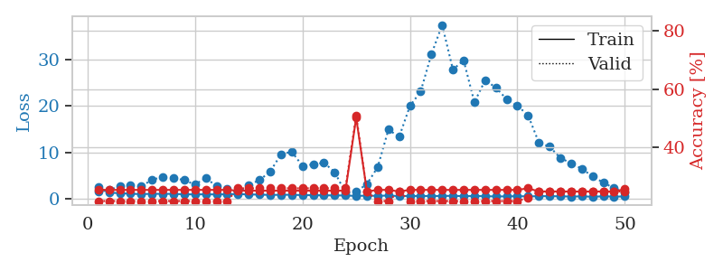
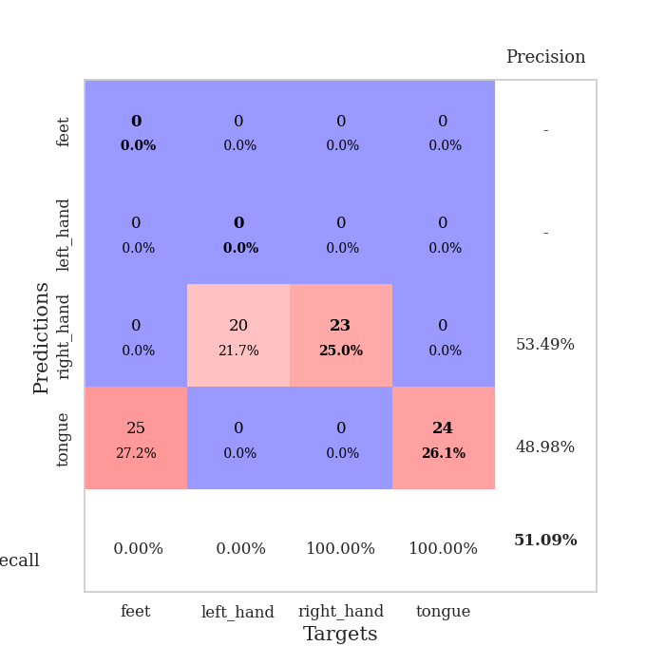
train_loss | valid_loss | train_accuracy | valid_accuracy | dur | train_misclass | valid_misclass
3.9267405272 | 5.6220596977 | 0.26358695652 | 0.26086956522 | 0.084323406219 | 26.358695652 | 26.086956522
1.7663989015 | 3.9557197509 | 0.25543478261 | 0.26086956522 | 0.082290172577 | 25.543478261 | 26.086956522
1.4154312611 | 1.7941846329 | 0.35597826087 | 0.35869565217 | 0.081548452377 | 35.597826087 | 35.869565217
1.3223299151 | 1.7518957698 | 0.41304347826 | 0.32608695652 | 0.082556247711 | 41.304347826 | 32.608695652
1.2627668199 | 1.9207041419 | 0.29347826087 | 0.28260869565 | 0.082095146179 | 29.347826087 | 28.260869565
1.1895491377 | 1.4535256469 | 0.48097826087 | 0.33695652174 | 0.082454919815 | 48.097826087 | 33.695652174
1.136679753 | 1.3985776072 | 0.60597826087 | 0.38043478261 | 0.082126140594 | 60.597826087 | 38.043478261
0.99853336293 | 1.3768422137 | 0.65760869565 | 0.40217391304 | 0.082252979279 | 65.760869565 | 40.217391304
1.0110345172 | 1.3962968173 | 0.68206521739 | 0.4347826087 | 0.08244228363 | 68.206521739 | 43.47826087
1.0251709948 | 1.5356342533 | 0.66032608696 | 0.36956521739 | 0.082317829132 | 66.032608696 | 36.956521739
0.93711864948 | 1.6081470407 | 0.64402173913 | 0.33695652174 | 0.082448005676 | 64.402173913 | 33.695652174
0.92374267397 | 1.4029433364 | 0.79347826087 | 0.44565217391 | 0.082410812378 | 79.347826087 | 44.565217391
0.89979845545 | 1.3928500829 | 0.80434782609 | 0.47826086957 | 0.08239030838 | 80.434782609 | 47.826086957
0.79004081954 | 1.5604593857 | 0.79347826087 | 0.42391304348 | 0.082355499268 | 79.347826087 | 42.391304348
0.75510188548 | 1.5228928535 | 0.81793478261 | 0.44565217391 | 0.082351207733 | 81.793478261 | 44.565217391
0.78540904237 | 1.6444021723 | 0.71739130435 | 0.42391304348 | 0.084789037704 | 71.739130435 | 42.391304348
0.71558579414 | 1.6565135044 | 0.7472826087 | 0.36956521739 | 0.083769798279 | 74.72826087 | 36.956521739
0.72360401827 | 1.4350244481 | 0.86413043478 | 0.44565217391 | 0.082541942596 | 86.413043478 | 44.565217391
0.6741943774 | 1.3605339164 | 0.89402173913 | 0.42391304348 | 0.081922054291 | 89.402173913 | 42.391304348
0.62455735518 | 1.5967632584 | 0.83152173913 | 0.38043478261 | 0.082374811172 | 83.152173913 | 38.043478261
0.60545841507 | 1.6123241393 | 0.82608695652 | 0.36956521739 | 0.083993911743 | 82.608695652 | 36.956521739
0.5928104792 | 1.5885212784 | 0.86141304348 | 0.36956521739 | 0.082194328308 | 86.141304348 | 36.956521739
0.58438224572 | 1.4578082095 | 0.91304347826 | 0.44565217391 | 0.082245111465 | 91.304347826 | 44.565217391
0.55504294064 | 1.6235607033 | 0.85869565217 | 0.36956521739 | 0.082011938095 | 85.869565217 | 36.956521739
0.53207467043 | 1.6698105387 | 0.82065217391 | 0.35869565217 | 0.082160234451 | 82.065217391 | 35.869565217
0.47079690319 | 1.6098436895 | 0.86413043478 | 0.39130434783 | 0.082296848297 | 86.413043478 | 39.130434783
0.46416691334 | 1.6455518318 | 0.82065217391 | 0.34782608696 | 0.082330942154 | 82.065217391 | 34.782608696
0.47320130143 | 1.6849085766 | 0.8097826087 | 0.30434782609 | 0.082215547562 | 80.97826087 | 30.434782609
0.42120354169 | 1.5068465316 | 0.89673913043 | 0.41304347826 | 0.082096338272 | 89.673913043 | 41.304347826
0.43953254495 | 1.5303011614 | 0.88858695652 | 0.40217391304 | 0.082179307938 | 88.858695652 | 40.217391304
0.41625926676 | 1.7252884015 | 0.82065217391 | 0.33695652174 | 0.082330703735 | 82.065217391 | 33.695652174
0.44741992134 | 1.6270055978 | 0.86956521739 | 0.35869565217 | 0.082212686539 | 86.956521739 | 35.869565217
0.40211173309 | 1.6308078196 | 0.85597826087 | 0.35869565217 | 0.082491159439 | 85.597826087 | 35.869565217
0.3313967767 | 1.7029054061 | 0.83695652174 | 0.32608695652 | 0.082127809525 | 83.695652174 | 32.608695652
0.45210381371 | 1.5938347267 | 0.89402173913 | 0.39130434783 | 0.086620092392 | 89.402173913 | 39.130434783
0.38766876381 | 1.6448628332 | 0.8777173913 | 0.36956521739 | 0.082420110703 | 87.77173913 | 36.956521739
0.39463072238 | 1.6705730635 | 0.88586956522 | 0.36956521739 | 0.082253217697 | 88.586956522 | 36.956521739
0.35201330677 | 1.7294226418 | 0.86684782609 | 0.36956521739 | 0.082566022873 | 86.684782609 | 36.956521739
0.33891463992 | 1.6938511392 | 0.86956521739 | 0.34782608696 | 0.082492589951 | 86.956521739 | 34.782608696
0.37167918893 | 1.6376585079 | 0.89402173913 | 0.36956521739 | 0.082309246063 | 89.402173913 | 36.956521739
0.30212652845 | 1.6759632722 | 0.875 | 0.36956521739 | 0.082322120667 | 87.5 | 36.956521739
0.32566484258 | 1.6354817774 | 0.89402173913 | 0.36956521739 | 0.08216047287 | 89.402173913 | 36.956521739
0.32677017411 | 1.6446227665 | 0.89673913043 | 0.36956521739 | 0.082795381546 | 89.673913043 | 36.956521739
0.31062555799 | 1.6365509396 | 0.90217391304 | 0.36956521739 | 0.082597494125 | 90.217391304 | 36.956521739
0.26882968746 | 1.6360530283 | 0.91032608696 | 0.39130434783 | 0.082386255264 | 91.032608696 | 39.130434783
0.35885040883 | 1.6427812939 | 0.91032608696 | 0.39130434783 | 0.082557678223 | 91.032608696 | 39.130434783
0.32962961074 | 1.640378952 | 0.91304347826 | 0.39130434783 | 0.08265209198 | 91.304347826 | 39.130434783
0.31938398565 | 1.6387051655 | 0.91304347826 | 0.38043478261 | 0.082456827164 | 91.304347826 | 38.043478261
0.30677852747 | 1.6360583979 | 0.91304347826 | 0.38043478261 | 0.08264040947 | 91.304347826 | 38.043478261
0.31148080722 | 1.6335448234 | 0.91304347826 | 0.38043478261 | 0.082522630692 | 91.304347826 | 38.043478261

Best Val accuracy is 0.4782608695652174 and Best test accuracy is 0.4051724137931034
train_loss | valid_loss | train_accuracy | valid_accuracy | dur | train_misclass | valid_misclass
2.5257343572 | 1.5283563396 | 0.25543478261 | 0.21739130435 | 0.20901870728 | 25.543478261 | 21.739130435
1.3628399061 | 1.9467042374 | 0.25543478261 | 0.21739130435 | 0.20961809158 | 25.543478261 | 21.739130435
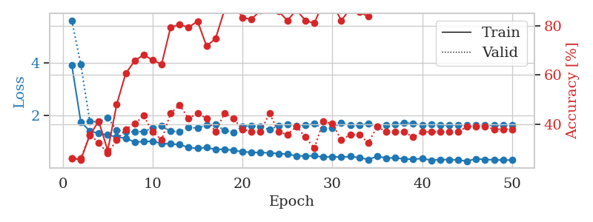
1.2660415665 | 2.7533078919 | 0.25543478261 | 0.21739130435 | 0.20651388168 | 25.543478261 | 21.739130435
1.1334022258 | 2.9430915273 | 0.25543478261 | 0.21739130435 | 0.20916008949 | 25.543478261 | 21.739130435
1.065915315 | 2.7480025913 | 0.25543478261 | 0.21739130435 | 0.21175503731 | 25.543478261 | 21.739130435
1.1213089565 | 4.1305946682 | 0.25543478261 | 0.21739130435 | 0.21049618721 | 25.543478261 | 21.739130435
1.1170134544 | 4.7925992427 | 0.25543478261 | 0.21739130435 | 0.20901918411 | 25.543478261 | 21.739130435
1.106935851 | 4.5676058479 | 0.25543478261 | 0.21739130435 | 0.21062588692 | 25.543478261 | 21.739130435
1.026017811 | 4.0479346358 | 0.25543478261 | 0.21739130435 | 0.21176052094 | 25.543478261 | 21.739130435
0.99428486047 | 3.1245850584 | 0.25543478261 | 0.21739130435 | 0.21046614647 | 25.543478261 | 21.739130435
1.0229608235 | 4.5443416056 | 0.25543478261 | 0.21739130435 | 0.21028232574 | 25.543478261 | 21.739130435
0.98875116524 | 2.7604607603 | 0.25543478261 | 0.21739130435 | 0.21136927605 | 25.543478261 | 21.739130435
1.0356162061 | 2.2155225484 | 0.25543478261 | 0.21739130435 | 0.21124172211 | 25.543478261 | 21.739130435
1.0695091305 | 1.3645701823 | 0.2527173913 | 0.26086956522 | 0.21086883545 | 25.27173913 | 26.086956522
0.9834730055 | 3.0515848139 | 0.2527173913 | 0.26086956522 | 0.21149015427 | 25.27173913 | 26.086956522
0.95650629116 | 4.0568536157 | 0.2527173913 | 0.26086956522 | 0.21151065826 | 25.27173913 | 26.086956522
0.87880441158 | 5.9173040183 | 0.2527173913 | 0.26086956522 | 0.21392226219 | 25.27173913 | 26.086956522
0.91769902862 | 9.6108036456 | 0.2527173913 | 0.26086956522 | 0.21207404137 | 25.27173913 | 26.086956522
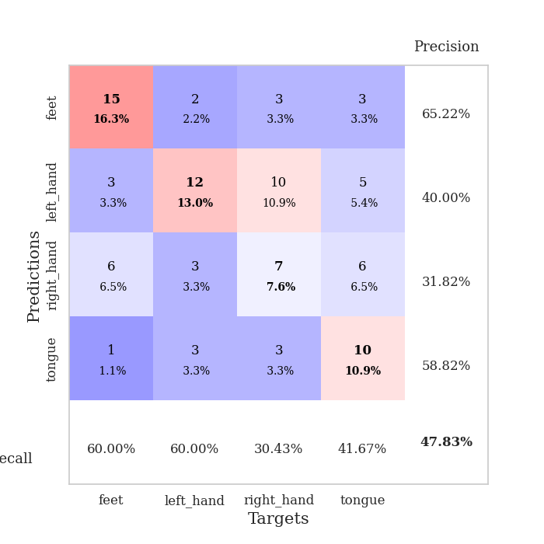
0.91949214365 | 10.16885745 | 0.2527173913 | 0.26086956522 | 0.20915722847 | 25.27173913 | 26.086956522
0.84635482405 | 7.1535220768 | 0.2527173913 | 0.26086956522 | 0.21170759201 | 25.27173913 | 26.086956522
0.82333284487 | 7.4568432725 | 0.2527173913 | 0.26086956522 | 0.2093269825 | 25.27173913 | 26.086956522
0.80312175336 | 7.8151393559 | 0.2527173913 | 0.26086956522 | 0.21238732338 | 25.27173913 | 26.086956522
0.7754270849 | 5.7846772774 | 0.2527173913 | 0.26086956522 | 0.21049547195 | 25.27173913 | 26.086956522
0.76717900452 | 1.3561135116 | 0.2527173913 | 0.26086956522 | 0.20969748497 | 25.27173913 | 26.086956522
0.66775771198 | 1.5894760723 | 0.5027173913 | 0.51086956522 | 0.20840358734 | 50.27173913 | 51.086956522
0.73676776238 | 3.2270963918 | 0.25 | 0.25 | 0.21405148506 | 25 | 25
0.67851834971 | 6.8429989815 | 0.25543478261 | 0.21739130435 | 0.21080136299 | 25.543478261 | 21.739130435
0.75439604599 | 14.940227011 | 0.25543478261 | 0.21739130435 | 0.21311831474 | 25.543478261 | 21.739130435
0.62325424474 | 13.378479045 | 0.25 | 0.25 | 0.21120285988 | 25 | 25
0.66124586307 | 20.005655289 | 0.25543478261 | 0.21739130435 | 0.21060490608 | 25.543478261 | 21.739130435
0.64684425877 | 23.137178089 | 0.25543478261 | 0.21739130435 | 0.21116328239 | 25.543478261 | 21.739130435
0.64157908766 | 31.130856721 | 0.25543478261 | 0.21739130435 | 0.21152949333 | 25.543478261 | 21.739130435
0.64295340621 | 37.476465806 | 0.25543478261 | 0.21739130435 | 0.21385240555 | 25.543478261 | 21.739130435
0.70634039977 | 27.85766726 | 0.25543478261 | 0.21739130435 | 0.21069502831 | 25.543478261 | 21.739130435
0.60887401519 | 29.840850084 | 0.25543478261 | 0.21739130435 | 0.21004676819 | 25.543478261 | 21.739130435
0.65339884162 | 20.824134744 | 0.25543478261 | 0.21739130435 | 0.20932841301 | 25.543478261 | 21.739130435
0.60690580503 | 25.54072803 | 0.25543478261 | 0.21739130435 | 0.21140813828 | 25.543478261 | 21.739130435
0.55982130895 | 23.987141899 | 0.25543478261 | 0.21739130435 | 0.20873570442 | 25.543478261 | 21.739130435
0.56662121674 | 21.480581449 | 0.25543478261 | 0.21739130435 | 0.21232414246 | 25.543478261 | 21.739130435
0.61546017424 | 20.092494218 | 0.25543478261 | 0.21739130435 | 0.21026277542 | 25.543478261 | 21.739130435
0.56760033447 | 18.011999296 | 0.26086956522 | 0.22826086957 | 0.21150636673 | 26.086956522 | 22.826086957
0.61128720771 | 12.135864299 | 0.25 | 0.25 | 0.21023225784 | 25 | 25
0.62069830687 | 11.259261131 | 0.25 | 0.25 | 0.21142458916 | 25 | 25
0.58121049015 | 8.8405600838 | 0.25 | 0.25 | 0.2107424736 | 25 | 25
0.54080883187 | 7.7053048714 | 0.25 | 0.25 | 0.21229553223 | 25 | 25
0.57492368895 | 6.5015667003 | 0.25 | 0.25 | 0.20948815346 | 25 | 25
0.50215636388 | 4.8882698598 | 0.25 | 0.25 | 0.21064519882 | 25 | 25
0.58312265575 | 3.5214301503 | 0.25 | 0.25 | 0.21328043938 | 25 | 25
0.52885058846 | 2.3399261754 | 0.25 | 0.25 | 0.21000576019 | 25 | 25
0.54873597622 | 1.5177447589 | 0.25815217391 | 0.25 | 0.21092510223 | 25.815217391 | 25

Best Val accuracy is 0.5108695652173914 and Best test accuracy is 0.4827586206896552

Sheet9
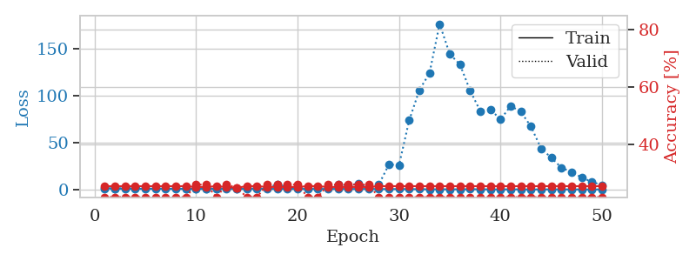
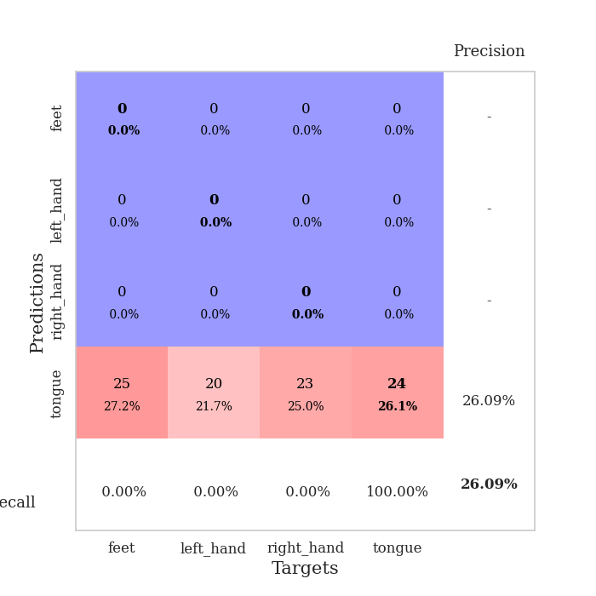
train_loss | valid_loss | train_accuracy | valid_accuracy | dur | train_misclass | valid_misclass
4.1073369099 | 9.2515319741 | 0.30163043478 | 0.28260869565 | 0.083890676498 | 30.163043478 | 28.260869565
1.593454589 | 3.5828456257 | 0.36413043478 | 0.3152173913 | 0.081785440445 | 36.413043478 | 31.52173913
1.396080652 | 2.4148718274 | 0.39945652174 | 0.27173913043 | 0.082236528397 | 39.945652174 | 27.173913043
1.3549926411 | 2.0027108503 | 0.47010869565 | 0.35869565217 | 0.081957817078 | 47.010869565 | 35.869565217
1.2579203585 | 1.9019326438 | 0.52717391304 | 0.35869565217 | 0.082424402237 | 52.717391304 | 35.869565217
1.1538292999 | 1.4960986013 | 0.66576086957 | 0.40217391304 | 0.08235001564 | 66.576086957 | 40.217391304
1.0595924854 | 1.416646522 | 0.69293478261 | 0.4347826087 | 0.082126140594 | 69.293478261 | 43.47826087
1.0384619081 | 1.5702318731 | 0.72554347826 | 0.33695652174 | 0.082223415375 | 72.554347826 | 33.695652174
0.93133275146 | 1.6209653668 | 0.72010869565 | 0.39130434783 | 0.082036018372 | 72.010869565 | 39.130434783
0.92068424691 | 1.5701995207 | 0.73913043478 | 0.42391304348 | 0.082188844681 | 73.913043478 | 42.391304348
0.88438021618 | 1.5643361029 | 0.78260869565 | 0.36956521739 | 0.08229136467 | 78.260869565 | 36.956521739
0.83916962924 | 1.5456217787 | 0.76902173913 | 0.41304347826 | 0.08242726326 | 76.902173913 | 41.304347826
0.80616984419 | 1.8416441316 | 0.70923913043 | 0.28260869565 | 0.082190275192 | 70.923913043 | 28.260869565
0.86102160423 | 1.8050862603 | 0.77173913043 | 0.28260869565 | 0.085776090622 | 77.173913043 | 28.260869565
0.76185778561 | 1.6832479809 | 0.77989130435 | 0.38043478261 | 0.08224105835 | 77.989130435 | 38.043478261
0.71568742135 | 1.6728934931 | 0.84239130435 | 0.35869565217 | 0.082570791245 | 84.239130435 | 35.869565217
0.73135555957 | 1.7551484834 | 0.78804347826 | 0.32608695652 | 0.082370758057 | 78.804347826 | 32.608695652
0.72020144566 | 1.6606592562 | 0.82608695652 | 0.40217391304 | 0.082339525223 | 82.608695652 | 40.217391304
0.64004231406 | 1.7909982723 | 0.77717391304 | 0.33695652174 | 0.082117795944 | 77.717391304 | 33.695652174
0.59737415417 | 1.68732243 | 0.88858695652 | 0.36956521739 | 0.082079172134 | 88.858695652 | 36.956521739
0.63370696488 | 1.693627202 | 0.86684782609 | 0.42391304348 | 0.084279060364 | 86.684782609 | 42.391304348
0.60152375439 | 1.7390306722 | 0.8125 | 0.33695652174 | 0.08225941658 | 81.25 | 33.695652174
0.56055285361 | 1.8352861923 | 0.78532608696 | 0.3152173913 | 0.082319498062 | 78.532608696 | 31.52173913
0.55990901071 | 1.8680018757 | 0.81793478261 | 0.29347826087 | 0.082388877869 | 81.793478261 | 29.347826087
0.56127098332 | 1.9358900526 | 0.7527173913 | 0.30434782609 | 0.082535982132 | 75.27173913 | 30.434782609
0.50681312836 | 1.7451067696 | 0.83967391304 | 0.35869565217 | 0.082437753677 | 83.967391304 | 35.869565217
0.4863177214 | 2.0266737627 | 0.68206521739 | 0.30434782609 | 0.082273721695 | 68.206521739 | 30.434782609
0.48149045136 | 1.8085590134 | 0.81793478261 | 0.34782608696 | 0.082529067993 | 81.793478261 | 34.782608696
0.45150258878 | 1.804028086 | 0.80706521739 | 0.36956521739 | 0.083921670914 | 80.706521739 | 36.956521739
0.55049593164 | 1.9318346148 | 0.77717391304 | 0.33695652174 | 0.082874059677 | 77.717391304 | 33.695652174
0.45182628638 | 1.9951328506 | 0.7472826087 | 0.35869565217 | 0.084916353226 | 74.72826087 | 35.869565217
0.38706172906 | 2.0153775008 | 0.78260869565 | 0.3152173913 | 0.08270573616 | 78.260869565 | 31.52173913
0.39116996397 | 2.0256068603 | 0.77989130435 | 0.35869565217 | 0.082409620285 | 77.989130435 | 35.869565217
0.41289893052 | 1.9467983039 | 0.83967391304 | 0.35869565217 | 0.082643270493 | 83.967391304 | 35.869565217
0.42058044931 | 1.9109946645 | 0.82065217391 | 0.34782608696 | 0.082480192184 | 82.065217391 | 34.782608696
0.37659165198 | 1.9194937478 | 0.83695652174 | 0.35869565217 | 0.082274436951 | 83.695652174 | 35.869565217
0.37666047786 | 1.9294207718 | 0.86141304348 | 0.35869565217 | 0.082294940948 | 86.141304348 | 35.869565217
0.41425352382 | 2.0084030421 | 0.84239130435 | 0.32608695652 | 0.08277130127 | 84.239130435 | 32.608695652
0.39066790433 | 1.9794240102 | 0.83152173913 | 0.35869565217 | 0.082287549973 | 83.152173913 | 35.869565217
0.39410414871 | 2.0030332545 | 0.79891304348 | 0.34782608696 | 0.082283735275 | 79.891304348 | 34.782608696
0.39567645315 | 1.9785245398 | 0.82065217391 | 0.33695652174 | 0.082158088684 | 82.065217391 | 33.695652174
0.35833941983 | 1.9695967073 | 0.83152173913 | 0.35869565217 | 0.085768222809 | 83.152173913 | 35.869565217
0.36988541516 | 1.9532338225 | 0.83423913043 | 0.35869565217 | 0.083164215088 | 83.423913043 | 35.869565217
0.30889388465 | 1.9628530689 | 0.83967391304 | 0.35869565217 | 0.082370519638 | 83.967391304 | 35.869565217
0.35363070926 | 1.9644487215 | 0.84239130435 | 0.38043478261 | 0.082195997238 | 84.239130435 | 38.043478261
0.3707203891 | 1.9727490156 | 0.84239130435 | 0.36956521739 | 0.082184314728 | 84.239130435 | 36.956521739
0.34277796227 | 1.971585678 | 0.84510869565 | 0.35869565217 | 0.081982851028 | 84.510869565 | 35.869565217
0.37288491363 | 1.9684460059 | 0.85054347826 | 0.35869565217 | 0.082451343536 | 85.054347826 | 35.869565217
0.36444375372 | 1.9658328243 | 0.85326086957 | 0.35869565217 | 0.082314491272 | 85.326086957 | 35.869565217
0.38529770724 | 1.9635965617 | 0.85597826087 | 0.35869565217 | 0.082101821899 | 85.597826087 | 35.869565217

Best Val accuracy is 0.43478260869565216 and Best test accuracy is 0.3620689655172414
train_loss | valid_loss | train_accuracy | valid_accuracy | dur | train_misclass | valid_misclass
1.9538383613 | 1.4165762559 | 0.25543478261 | 0.21739130435 | 0.21040797234 | 25.543478261 | 21.739130435
1.3048343969 | 1.5165472082 | 0.25543478261 | 0.21739130435 | 0.2107925415 | 25.543478261 | 21.739130435
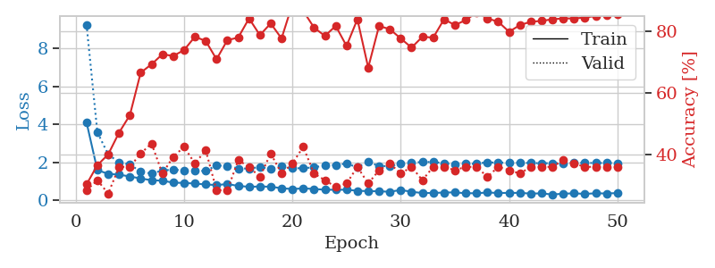
1.165178711 | 1.8873332532 | 0.25543478261 | 0.21739130435 | 0.21501612663 | 25.543478261 | 21.739130435
1.1367732934 | 2.0506062404 | 0.25543478261 | 0.21739130435 | 0.21126294136 | 25.543478261 | 21.739130435
1.1380251478 | 1.7361269619 | 0.25543478261 | 0.21739130435 | 0.21271085739 | 25.543478261 | 21.739130435
1.1780397166 | 1.9976772744 | 0.25543478261 | 0.21739130435 | 0.21274542809 | 25.543478261 | 21.739130435
1.1045362042 | 2.1225668658 | 0.25543478261 | 0.21739130435 | 0.21080589294 | 25.543478261 | 21.739130435
1.0719064396 | 1.8135595684 | 0.25543478261 | 0.21739130435 | 0.21033120155 | 25.543478261 | 21.739130435
1.0771415545 | 1.4090950023 | 0.25543478261 | 0.21739130435 | 0.21039438248 | 25.543478261 | 21.739130435
1.0799882075 | 1.4640428657 | 0.2527173913 | 0.26086956522 | 0.21017479897 | 25.27173913 | 26.086956522
1.0501668194 | 1.4149510187 | 0.2527173913 | 0.26086956522 | 0.21216487885 | 25.27173913 | 26.086956522
1.1061955328 | 1.3868437798 | 0.25543478261 | 0.21739130435 | 0.20860528946 | 25.543478261 | 21.739130435
1.0850873408 | 1.6216184419 | 0.2527173913 | 0.26086956522 | 0.21000266075 | 25.27173913 | 26.086956522
1.0607912411 | 1.3540670716 | 0.25 | 0.25 | 0.20803666115 | 25 | 25
1.0993113155 | 2.0883678975 | 0.25543478261 | 0.21739130435 | 0.21067810059 | 25.543478261 | 21.739130435
1.1054439441 | 2.8171952185 | 0.25543478261 | 0.21739130435 | 0.21054434776 | 25.543478261 | 21.739130435
1.0271240058 | 2.6209090585 | 0.2527173913 | 0.26086956522 | 0.21116566658 | 25.27173913 | 26.086956522
1.0661668311 | 5.3212934162 | 0.2527173913 | 0.26086956522 | 0.2090113163 | 25.27173913 | 26.086956522
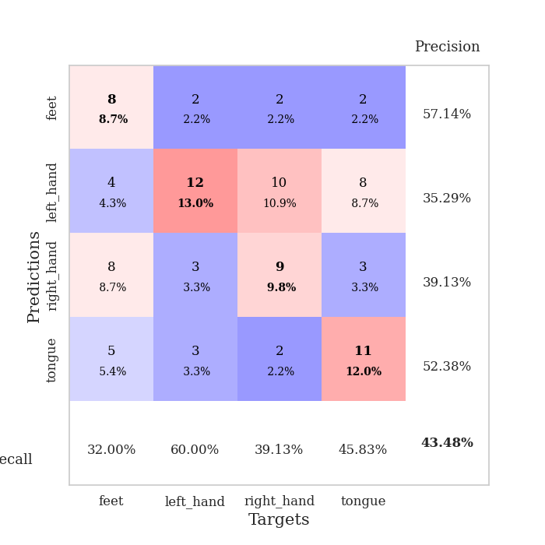
1.0617123713 | 3.3089570481 | 0.2527173913 | 0.26086956522 | 0.21013116837 | 25.27173913 | 26.086956522
1.0345555129 | 1.9791111065 | 0.2527173913 | 0.26086956522 | 0.21048259735 | 25.27173913 | 26.086956522
1.0129838923 | 1.4149098966 | 0.25543478261 | 0.21739130435 | 0.2116060257 | 25.543478261 | 21.739130435
0.94862343954 | 3.3305841529 | 0.25543478261 | 0.21739130435 | 0.20983290672 | 25.543478261 | 21.739130435
0.99443905768 | 2.9150476145 | 0.2527173913 | 0.26086956522 | 0.21027994156 | 25.27173913 | 26.086956522
1.0167652317 | 5.6823806141 | 0.2527173913 | 0.26086956522 | 0.21182751656 | 25.27173913 | 26.086956522
0.98717004579 | 5.0478615761 | 0.2527173913 | 0.26086956522 | 0.20850133896 | 25.27173913 | 26.086956522
0.97005038676 | 6.4894152932 | 0.2527173913 | 0.26086956522 | 0.21200180054 | 25.27173913 | 26.086956522
1.0206545851 | 1.7000075009 | 0.2527173913 | 0.26086956522 | 0.20986032486 | 25.27173913 | 26.086956522
0.85682480232 | 5.3904814513 | 0.25543478261 | 0.21739130435 | 0.21386599541 | 25.543478261 | 21.739130435
0.83237477489 | 26.972977597 | 0.25543478261 | 0.21739130435 | 0.21019339561 | 25.543478261 | 21.739130435
0.86051304962 | 26.261571552 | 0.25543478261 | 0.21739130435 | 0.21129584312 | 25.543478261 | 21.739130435
0.81166840636 | 73.764175747 | 0.25543478261 | 0.21739130435 | 0.21034288406 | 25.543478261 | 21.739130435
0.69469787116 | 105.93600895 | 0.25543478261 | 0.21739130435 | 0.20908665657 | 25.543478261 | 21.739130435
0.61980302567 | 123.79155632 | 0.25543478261 | 0.21739130435 | 0.21081566811 | 25.543478261 | 21.739130435
0.66069160207 | 176.13217627 | 0.25543478261 | 0.21739130435 | 0.21167373657 | 25.543478261 | 21.739130435
0.60520429067 | 144.05708578 | 0.25543478261 | 0.21739130435 | 0.2099173069 | 25.543478261 | 21.739130435
0.62762241713 | 133.21160491 | 0.25543478261 | 0.21739130435 | 0.21192646027 | 25.543478261 | 21.739130435
0.69078100376 | 105.51017861 | 0.25543478261 | 0.21739130435 | 0.2117664814 | 25.543478261 | 21.739130435
0.64780853883 | 83.739857881 | 0.25543478261 | 0.21739130435 | 0.21264505386 | 25.543478261 | 21.739130435
0.57206116682 | 85.57238471 | 0.25543478261 | 0.21739130435 | 0.20915603638 | 25.543478261 | 21.739130435
0.53885464953 | 74.665234441 | 0.25543478261 | 0.21739130435 | 0.21016716957 | 25.543478261 | 21.739130435
0.60533719348 | 89.08780836 | 0.25543478261 | 0.21739130435 | 0.21251726151 | 25.543478261 | 21.739130435
0.54625149266 | 82.961327594 | 0.25543478261 | 0.21739130435 | 0.20987701416 | 25.543478261 | 21.739130435
0.48200919576 | 67.258117344 | 0.25543478261 | 0.21739130435 | 0.2117228508 | 25.543478261 | 21.739130435
0.54286616198 | 43.92287329 | 0.25543478261 | 0.21739130435 | 0.21084022522 | 25.543478261 | 21.739130435
0.55248306303 | 34.177785625 | 0.25543478261 | 0.21739130435 | 0.21151733398 | 25.543478261 | 21.739130435
0.54963589622 | 23.544194843 | 0.25543478261 | 0.21739130435 | 0.20984506607 | 25.543478261 | 21.739130435
0.51192760208 | 18.976408336 | 0.25543478261 | 0.21739130435 | 0.21224713326 | 25.543478261 | 21.739130435
0.50960975497 | 13.167037757 | 0.25543478261 | 0.21739130435 | 0.21377491951 | 25.543478261 | 21.739130435
0.44854829752 | 8.453662043 | 0.25543478261 | 0.21739130435 | 0.21154999733 | 25.543478261 | 21.739130435
0.54174270999 | 5.1043061173 | 0.25543478261 | 0.21739130435 | 0.20901250839 | 25.543478261 | 21.739130435

Best Val accuracy is 0.2608695652173913 and Best test accuracy is 0.23275862068965517

Sheet10
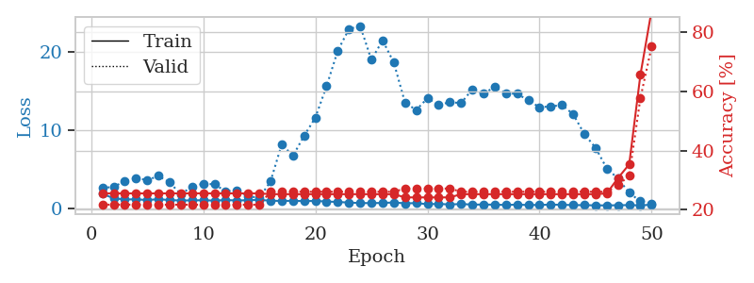
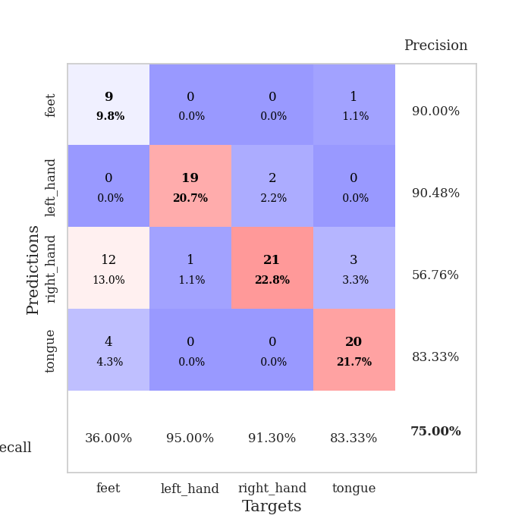
train_loss | valid_loss | train_accuracy | valid_accuracy | dur | train_misclass | valid_misclass
3.8164828342 | 6.7057037975 | 0.25543478261 | 0.21739130435 | 0.087141275406 | 25.543478261 | 21.739130435
1.6682477049 | 2.5844012758 | 0.36141304348 | 0.23913043478 | 0.081791639328 | 36.141304348 | 23.913043478
1.4475821568 | 1.9562579549 | 0.47282608696 | 0.32608695652 | 0.081790685654 | 47.282608696 | 32.608695652
1.2347974544 | 1.5809834781 | 0.57336956522 | 0.33695652174 | 0.082182645798 | 57.336956522 | 33.695652174
1.252473103 | 1.5661023596 | 0.56793478261 | 0.34782608696 | 0.081935405731 | 56.793478261 | 34.782608696
1.2286246082 | 1.5459722384 | 0.61956521739 | 0.36956521739 | 0.081745862961 | 61.956521739 | 36.956521739
1.0963306608 | 1.4414413338 | 0.68206521739 | 0.38043478261 | 0.08176779747 | 68.206521739 | 38.043478261
1.0495157864 | 1.4989204407 | 0.6875 | 0.36956521739 | 0.081980705261 | 68.75 | 36.956521739
1.0313568297 | 1.5621753931 | 0.69293478261 | 0.38043478261 | 0.082262516022 | 69.293478261 | 38.043478261
0.98962691297 | 1.4811544626 | 0.72554347826 | 0.41304347826 | 0.081989765167 | 72.554347826 | 41.304347826
0.92778915167 | 1.5931378499 | 0.7527173913 | 0.38043478261 | 0.08215045929 | 75.27173913 | 38.043478261
0.9068145752 | 1.4820515125 | 0.73913043478 | 0.4347826087 | 0.081763267517 | 73.913043478 | 43.47826087
0.8853872833 | 1.7062512325 | 0.74184782609 | 0.35869565217 | 0.082231521606 | 74.184782609 | 35.869565217
0.76476314405 | 1.7503573584 | 0.73641304348 | 0.34782608696 | 0.081912517548 | 73.641304348 | 34.782608696
0.78341435479 | 1.6916362876 | 0.74184782609 | 0.32608695652 | 0.081956863403 | 74.184782609 | 32.608695652
0.74088841806 | 1.7308926531 | 0.70652173913 | 0.3152173913 | 0.081907272339 | 70.652173913 | 31.52173913
0.70140401306 | 1.6005964642 | 0.85597826087 | 0.42391304348 | 0.081901311874 | 85.597826087 | 42.391304348
0.69270453375 | 1.6452725607 | 0.80706521739 | 0.38043478261 | 0.081837415695 | 80.706521739 | 38.043478261
0.61350167186 | 1.8347933241 | 0.72826086957 | 0.3152173913 | 0.08182144165 | 72.826086957 | 31.52173913
0.65668328754 | 1.9090009565 | 0.73641304348 | 0.32608695652 | 0.081865787506 | 73.641304348 | 32.608695652
0.60772236275 | 1.8279981665 | 0.80434782609 | 0.32608695652 | 0.081747293472 | 80.434782609 | 32.608695652
0.60262743675 | 1.7548671857 | 0.85054347826 | 0.36956521739 | 0.087911128998 | 85.054347826 | 36.956521739
0.60045908456 | 1.8645054724 | 0.7472826087 | 0.33695652174 | 0.10810875893 | 74.72826087 | 33.695652174
0.57336335079 | 1.9103720136 | 0.8152173913 | 0.32608695652 | 0.10527420044 | 81.52173913 | 32.608695652
0.4821726926 | 1.8545758776 | 0.82880434783 | 0.32608695652 | 0.099642515182 | 82.880434783 | 32.608695652
0.43894656067 | 2.0356767644 | 0.69836956522 | 0.28260869565 | 0.080990552902 | 69.836956522 | 28.260869565
0.47190005365 | 1.8863729446 | 0.89402173913 | 0.3152173913 | 0.080090284348 | 89.402173913 | 31.52173913
0.50026747584 | 2.0100252317 | 0.77445652174 | 0.33695652174 | 0.079557657242 | 77.445652174 | 33.695652174
0.50870301542 | 1.9655756743 | 0.83423913043 | 0.3152173913 | 0.079636335373 | 83.423913043 | 31.52173913
0.42552266885 | 2.0222420278 | 0.83152173913 | 0.3152173913 | 0.079478740692 | 83.152173913 | 31.52173913
0.39035866248 | 2.0078673 | 0.80434782609 | 0.30434782609 | 0.079878330231 | 80.434782609 | 30.434782609
0.41923515693 | 1.9935076133 | 0.82608695652 | 0.29347826087 | 0.079595565796 | 82.608695652 | 29.347826087
0.37041766423 | 2.0814982238 | 0.8125 | 0.29347826087 | 0.079786539078 | 81.25 | 29.347826087
0.38979106688 | 2.1351165512 | 0.79076086957 | 0.28260869565 | 0.07989192009 | 79.076086957 | 28.260869565
0.40302810883 | 2.2484202385 | 0.75815217391 | 0.27173913043 | 0.079767227173 | 75.815217391 | 27.173913043
0.41056746439 | 2.1438236444 | 0.82880434783 | 0.3152173913 | 0.079428434372 | 82.880434783 | 31.52173913
0.34594354519 | 2.0441775996 | 0.85326086957 | 0.33695652174 | 0.079629182816 | 85.326086957 | 33.695652174
0.36070980261 | 2.1149793034 | 0.81793478261 | 0.3152173913 | 0.079388380051 | 81.793478261 | 31.52173913
0.34241727254 | 2.182403777 | 0.79076086957 | 0.32608695652 | 0.082779169083 | 79.076086957 | 32.608695652
0.38913405265 | 2.1410083149 | 0.83152173913 | 0.34782608696 | 0.084933042526 | 83.152173913 | 34.782608696
0.3533896454 | 2.1497290238 | 0.85869565217 | 0.33695652174 | 0.080369234085 | 85.869565217 | 33.695652174
0.37936471727 | 2.125582099 | 0.86413043478 | 0.32608695652 | 0.080457925797 | 86.413043478 | 32.608695652
0.37207132254 | 2.1504821363 | 0.85597826087 | 0.32608695652 | 0.080301523209 | 85.597826087 | 32.608695652
0.33748780191 | 2.1218668844 | 0.86413043478 | 0.34782608696 | 0.080328941345 | 86.413043478 | 34.782608696
0.31847486483 | 2.1111954554 | 0.875 | 0.34782608696 | 0.08050942421 | 87.5 | 34.782608696
0.34157787393 | 2.1068133945 | 0.88858695652 | 0.35869565217 | 0.080274343491 | 88.858695652 | 35.869565217
0.33474239804 | 2.1036179221 | 0.89402173913 | 0.35869565217 | 0.08043551445 | 89.402173913 | 35.869565217
0.35247376237 | 2.0991350931 | 0.89402173913 | 0.35869565217 | 0.080560922623 | 89.402173913 | 35.869565217
0.28266973146 | 2.0965354805 | 0.89402173913 | 0.35869565217 | 0.08029127121 | 89.402173913 | 35.869565217
0.28667273113 | 2.0931252397 | 0.89402173913 | 0.35869565217 | 0.080502986908 | 89.402173913 | 35.869565217

Best Val accuracy is 0.43478260869565216 and Best test accuracy is 0.33620689655172414
train_loss | valid_loss | train_accuracy | valid_accuracy | dur | train_misclass | valid_misclass
1.9149463902 | 2.6411925917 | 0.25543478261 | 0.21739130435 | 0.2109401226 | 25.543478261 | 21.739130435
1.3498487006 | 2.8083287633 | 0.25543478261 | 0.21739130435 | 0.20776605606 | 25.543478261 | 21.739130435
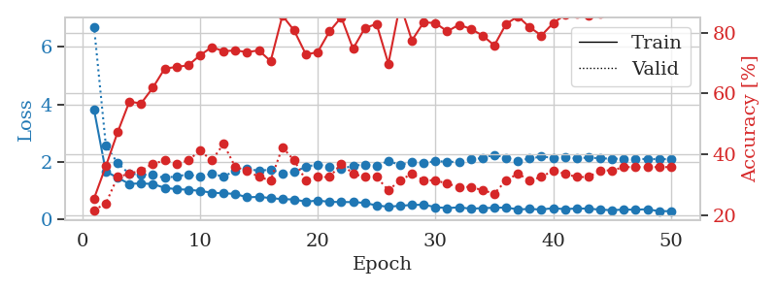
1.1878389872 | 3.5047091712 | 0.25543478261 | 0.21739130435 | 0.21017456055 | 25.543478261 | 21.739130435
1.2221281917 | 3.937141605 | 0.25543478261 | 0.21739130435 | 0.21176528931 | 25.543478261 | 21.739130435
1.1166077697 | 3.6434043905 | 0.25543478261 | 0.21739130435 | 0.20897722244 | 25.543478261 | 21.739130435
1.2329821146 | 4.1924564735 | 0.25543478261 | 0.21739130435 | 0.20837664604 | 25.543478261 | 21.739130435
1.1106863903 | 3.3490545853 | 0.25543478261 | 0.21739130435 | 0.20716261864 | 25.543478261 | 21.739130435
1.066023145 | 1.8611201203 | 0.25543478261 | 0.21739130435 | 0.20676612854 | 25.543478261 | 21.739130435
1.0759165054 | 2.831482794 | 0.25543478261 | 0.21739130435 | 0.2091729641 | 25.543478261 | 21.739130435
1.098076258 | 3.2101531547 | 0.25543478261 | 0.21739130435 | 0.2078435421 | 25.543478261 | 21.739130435
1.0505663856 | 3.1185872762 | 0.25543478261 | 0.21739130435 | 0.21106886864 | 25.543478261 | 21.739130435
1.1285065646 | 2.2400081261 | 0.25543478261 | 0.21739130435 | 0.2099006176 | 25.543478261 | 21.739130435
1.0639204487 | 2.3826439381 | 0.25543478261 | 0.21739130435 | 0.21302175522 | 25.543478261 | 21.739130435
1.1022236451 | 1.5955595711 | 0.25543478261 | 0.21739130435 | 0.21005034447 | 25.543478261 | 21.739130435
1.1435311877 | 1.4115048751 | 0.25543478261 | 0.21739130435 | 0.2114303112 | 25.543478261 | 21.739130435
1.0352934288 | 3.4724502563 | 0.2527173913 | 0.26086956522 | 0.21237921715 | 25.27173913 | 26.086956522
1.0042835396 | 8.2215940019 | 0.2527173913 | 0.26086956522 | 0.20986509323 | 25.27173913 | 26.086956522
1.0236600301 | 6.7451623626 | 0.2527173913 | 0.26086956522 | 0.21146559715 | 25.27173913 | 26.086956522
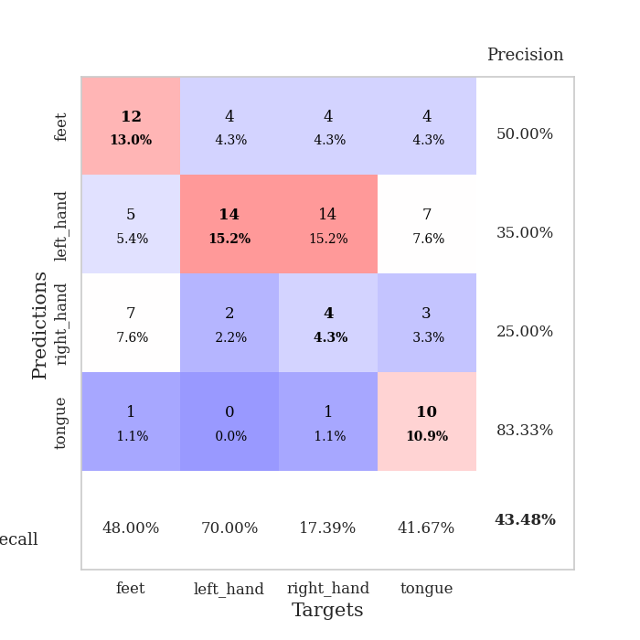
0.98208901675 | 9.306506613 | 0.2527173913 | 0.26086956522 | 0.21109080315 | 25.27173913 | 26.086956522
1.0104850608 | 11.600371775 | 0.2527173913 | 0.26086956522 | 0.21201920509 | 25.27173913 | 26.086956522
0.93605658282 | 15.609862411 | 0.2527173913 | 0.26086956522 | 0.21073317528 | 25.27173913 | 26.086956522
0.87844889579 | 20.136527932 | 0.2527173913 | 0.26086956522 | 0.21044254303 | 25.27173913 | 26.086956522
0.79736713871 | 22.888720388 | 0.2527173913 | 0.26086956522 | 0.21122217178 | 25.27173913 | 26.086956522
0.73874066835 | 23.278813569 | 0.2527173913 | 0.26086956522 | 0.21086239815 | 25.27173913 | 26.086956522
0.73019770177 | 18.969926751 | 0.2527173913 | 0.26086956522 | 0.21119141579 | 25.27173913 | 26.086956522
0.75262996943 | 21.450600085 | 0.2527173913 | 0.26086956522 | 0.20953893661 | 25.27173913 | 26.086956522
0.81188495263 | 18.618863977 | 0.2527173913 | 0.26086956522 | 0.21201896667 | 25.27173913 | 26.086956522
0.70439297609 | 13.513729137 | 0.24184782609 | 0.27173913043 | 0.21061134338 | 24.184782609 | 27.173913043
0.72911915053 | 12.579415363 | 0.24184782609 | 0.27173913043 | 0.21027970314 | 24.184782609 | 27.173913043
0.59589217798 | 14.08256792 | 0.24184782609 | 0.27173913043 | 0.209659338 | 24.184782609 | 27.173913043
0.62890362351 | 13.223657193 | 0.24184782609 | 0.27173913043 | 0.2105743885 | 24.184782609 | 27.173913043
0.55888080079 | 13.575298268 | 0.24184782609 | 0.27173913043 | 0.21012997627 | 24.184782609 | 27.173913043
0.61481897079 | 13.460996586 | 0.2527173913 | 0.26086956522 | 0.2119743824 | 25.27173913 | 26.086956522
0.54502948471 | 15.205809179 | 0.2527173913 | 0.26086956522 | 0.20852851868 | 25.27173913 | 26.086956522
0.54463232341 | 14.663593624 | 0.2527173913 | 0.26086956522 | 0.21032094955 | 25.27173913 | 26.086956522
0.53686333091 | 15.511411003 | 0.2527173913 | 0.26086956522 | 0.21074271202 | 25.27173913 | 26.086956522
0.49141306851 | 14.686157392 | 0.2527173913 | 0.26086956522 | 0.20869874954 | 25.27173913 | 26.086956522
0.53727802634 | 14.654024373 | 0.2527173913 | 0.26086956522 | 0.20885777473 | 25.27173913 | 26.086956522
0.48376072619 | 13.796353382 | 0.2527173913 | 0.26086956522 | 0.21021962166 | 25.27173913 | 26.086956522
0.49932634183 | 12.937505349 | 0.2527173913 | 0.26086956522 | 0.21096992493 | 25.27173913 | 26.086956522
0.53479858844 | 13.039043095 | 0.2527173913 | 0.26086956522 | 0.2108643055 | 25.27173913 | 26.086956522
0.51756533138 | 13.207245495 | 0.2527173913 | 0.26086956522 | 0.21322011948 | 25.27173913 | 26.086956522
0.47956049313 | 12.051324305 | 0.2527173913 | 0.26086956522 | 0.21036744118 | 25.27173913 | 26.086956522
0.46966630544 | 9.5141260313 | 0.2527173913 | 0.26086956522 | 0.21031069756 | 25.27173913 | 26.086956522
0.44606279355 | 7.7741973296 | 0.2527173913 | 0.26086956522 | 0.20882296562 | 25.27173913 | 26.086956522
0.4378933453 | 5.1488550228 | 0.25543478261 | 0.26086956522 | 0.21094107628 | 25.543478261 | 26.086956522
0.46215048886 | 3.8559236734 | 0.30706521739 | 0.28260869565 | 0.210303545 | 30.706521739 | 28.260869565
0.47696073742 | 2.0397675037 | 0.35326086957 | 0.3152173913 | 0.21270895004 | 35.326086957 | 31.52173913
0.44838487908 | 0.95644014296 | 0.65489130435 | 0.57608695652 | 0.21220779419 | 65.489130435 | 57.608695652
0.52133251986 | 0.69780462462 | 0.8722826087 | 0.75 | 0.20947313309 | 87.22826087 | 75

Best Val accuracy is 0.75 and Best test accuracy is 0.7758620689655172

