Sheet
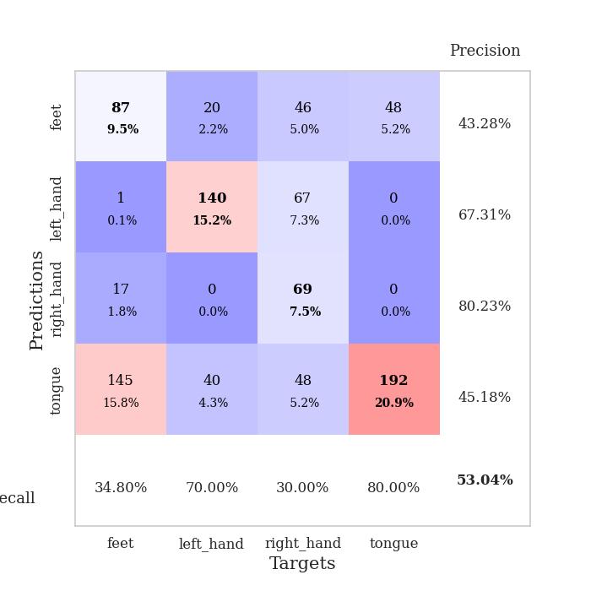
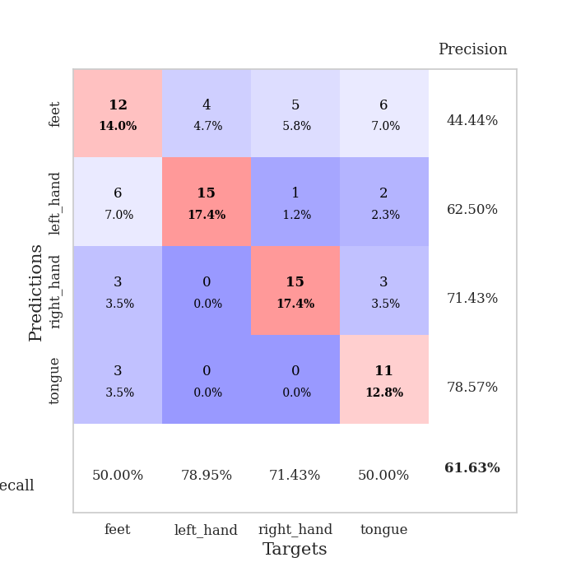
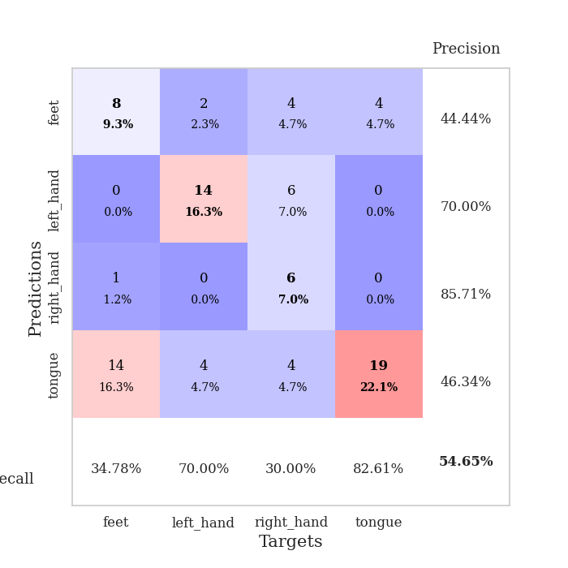
best_val_acc | best_val_los | best_test_acc
0.63043478261 | 0.90557959546 | 0.5775862069
0.61956521739 | 1.0455742167 | 0.5775862069
0.53260869565 | 1.2780356977 | 0.56034482759
0.59782608696 | 1.0495131508 | 0.54310344828
0.55434782609 | 1.0864661232 | 0.59482758621
0.47826086957 | 1.2123902207 | 0.55172413793
0.63043478261 | 0.97922758175 | 0.56896551724
0.61956521739 | 1.0744024982 | 0.63793103448
0.58695652174 | 1.1411349151 | 0.60344827586
0.65217391304 | 1.0151165102 | 0.63793103448

Mean,std Val accuracy is 0.5902173913043478 , 0.053752781125081785 and mean, std test accuracy is 0.585344827586207 , 0.033127086866562315
best_val_acc | best_val_los | best_test_acc
0.78260869565 | 1.0496766982 | 0.75862068966
0.47826086957 | 1.187820787 | 0.49137931034
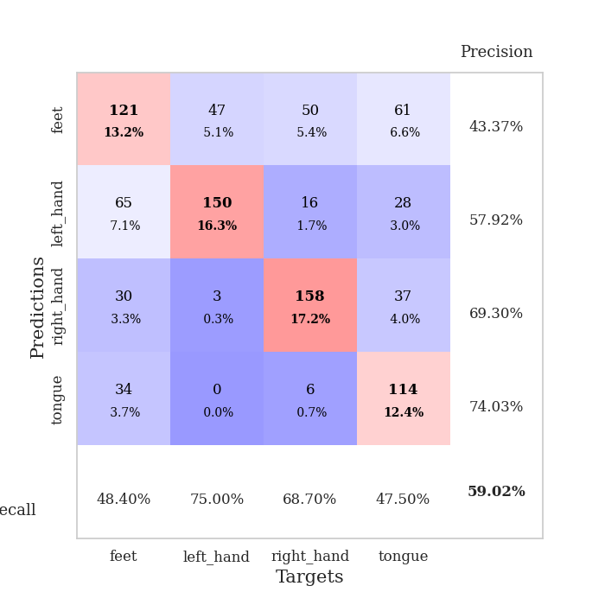
0.47826086957 | 1.3023419847 | 0.49137931034
0.75 | 0.88173289144 | 0.75
0.27173913043 | 1.3831230713 | 0.25862068966
0.26086956522 | 1.4490540079 | 0.23275862069
1 | 0.96720057208 | 0.99137931034
0.29347826087 | 1.1530469656 | 0.28448275862
0.26086956522 | 1.4841482795 | 0.23275862069
0.72826086957 | 0.9344669425 | 0.74137931034

Mean,std Val accuracy is 0.5304347826086957 , 0.26776318352840467 and mean, std test accuracy is 0.5232758620689655 , 0.2731260996256797

Sheet1
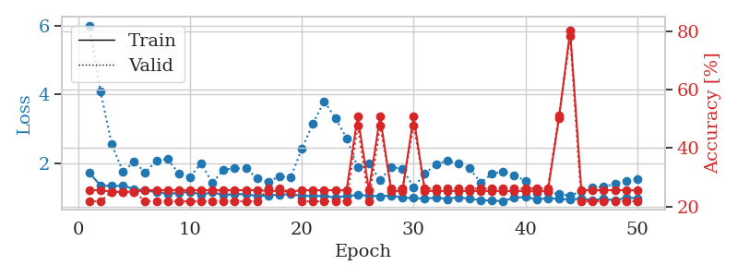
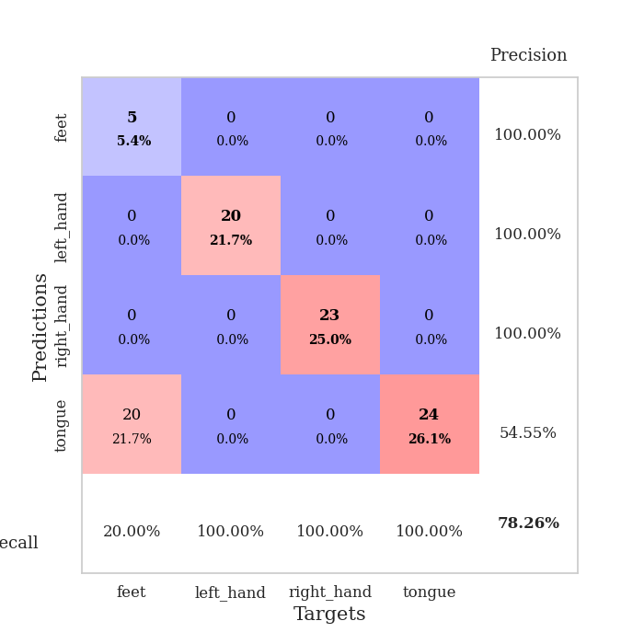
train_loss | valid_loss | train_accuracy | valid_accuracy | dur | train_misclass | valid_misclass
3.3931387611 | 3.1363622002 | 0.24184782609 | 0.27173913043 | 0.082233667374 | 24.184782609 | 27.173913043
1.5812689118 | 1.9044563718 | 0.33423913043 | 0.3152173913 | 0.080283880234 | 33.423913043 | 31.52173913
1.2576695473 | 1.9316342603 | 0.38858695652 | 0.32608695652 | 0.080154418945 | 38.858695652 | 32.608695652
1.0910903112 | 1.3490671645 | 0.63858695652 | 0.36956521739 | 0.080364942551 | 63.858695652 | 36.956521739
0.9928194414 | 1.1609296954 | 0.71195652174 | 0.41304347826 | 0.080343723297 | 71.195652174 | 41.304347826
0.85222423595 | 1.1998828857 | 0.72010869565 | 0.53260869565 | 0.08074426651 | 72.010869565 | 53.260869565
0.81808973525 | 1.5667184384 | 0.59510869565 | 0.44565217391 | 0.079916477203 | 59.510869565 | 44.565217391
0.7761133054 | 1.1792725428 | 0.7527173913 | 0.47826086957 | 0.080330371857 | 75.27173913 | 47.826086957
0.74896371624 | 1.1790427384 | 0.73369565217 | 0.53260869565 | 0.080360412598 | 73.369565217 | 53.260869565
0.69219650004 | 0.90557959546 | 0.79076086957 | 0.55434782609 | 0.080323219299 | 79.076086957 | 55.434782609
0.66912889351 | 0.92477776434 | 0.84239130435 | 0.57608695652 | 0.080490350723 | 84.239130435 | 57.608695652
0.68161660174 | 0.99968025995 | 0.82608695652 | 0.53260869565 | 0.080279111862 | 82.608695652 | 53.260869565
0.66768919126 | 1.1929345597 | 0.7472826087 | 0.57608695652 | 0.080199480057 | 74.72826087 | 57.608695652
0.6258810331 | 1.1013425744 | 0.83152173913 | 0.55434782609 | 0.080096721649 | 83.152173913 | 55.434782609
0.54174221858 | 1.0197169781 | 0.85869565217 | 0.59782608696 | 0.079894781113 | 85.869565217 | 59.782608696
0.57044511839 | 1.0315298723 | 0.85869565217 | 0.58695652174 | 0.080243587494 | 85.869565217 | 58.695652174
0.5358876722 | 1.0499107838 | 0.86141304348 | 0.55434782609 | 0.080044984818 | 86.141304348 | 55.434782609
0.5327417695 | 1.0471268815 | 0.86684782609 | 0.55434782609 | 0.080178022385 | 86.684782609 | 55.434782609
0.45940273288 | 0.97937697172 | 0.90217391304 | 0.60869565217 | 0.080090522766 | 90.217391304 | 60.869565217
0.48065606148 | 1.0102624971 | 0.89673913043 | 0.57608695652 | 0.080083370209 | 89.673913043 | 57.608695652
0.48087728218 | 1.0797839916 | 0.90760869565 | 0.54347826087 | 0.080213785172 | 90.760869565 | 54.347826087
0.47864359941 | 1.1722526084 | 0.83967391304 | 0.53260869565 | 0.080206871033 | 83.967391304 | 53.260869565
0.45674525007 | 1.1578068319 | 0.85869565217 | 0.5 | 0.080110788345 | 85.869565217 | 50
0.42921246394 | 1.0085460518 | 0.89130434783 | 0.5652173913 | 0.080182313919 | 89.130434783 | 56.52173913
0.351471577 | 0.94451325614 | 0.92391304348 | 0.60869565217 | 0.084035396576 | 92.391304348 | 60.869565217
0.39038503138 | 1.0215843475 | 0.89402173913 | 0.57608695652 | 0.08143901825 | 89.402173913 | 57.608695652
0.40907103795 | 1.1174864976 | 0.83967391304 | 0.54347826087 | 0.080916643143 | 83.967391304 | 54.347826087
0.41689645953 | 1.0042135715 | 0.89402173913 | 0.58695652174 | 0.080645799637 | 89.402173913 | 58.695652174
0.3477068307 | 1.0158004476 | 0.91576086957 | 0.60869565217 | 0.080657720566 | 91.576086957 | 60.869565217
0.38027873441 | 1.0202799362 | 0.92391304348 | 0.59782608696 | 0.080617904663 | 92.391304348 | 59.782608696
0.3075050744 | 0.97688416554 | 0.94836956522 | 0.63043478261 | 0.080550432205 | 94.836956522 | 63.043478261
0.30937124659 | 1.0426093469 | 0.93206521739 | 0.59782608696 | 0.080867528915 | 93.206521739 | 59.782608696
0.32590969555 | 1.0384035551 | 0.93206521739 | 0.58695652174 | 0.080595493317 | 93.206521739 | 58.695652174
0.30212921908 | 1.0682347002 | 0.9375 | 0.5652173913 | 0.080724239349 | 93.75 | 56.52173913
0.26768203468 | 1.0136907282 | 0.94565217391 | 0.60869565217 | 0.08066701889 | 94.565217391 | 60.869565217
0.29815880144 | 1.0303370305 | 0.9402173913 | 0.5652173913 | 0.081601142883 | 94.02173913 | 56.52173913
0.27799770754 | 1.045609114 | 0.9402173913 | 0.58695652174 | 0.079375505447 | 94.02173913 | 58.695652174
0.29423892368 | 1.071728582 | 0.9375 | 0.59782608696 | 0.079490661621 | 93.75 | 59.782608696
0.24968406542 | 1.0957507206 | 0.92934782609 | 0.59782608696 | 0.079400062561 | 92.934782609 | 59.782608696
0.27682124499 | 1.0455669294 | 0.95108695652 | 0.58695652174 | 0.079458475113 | 95.108695652 | 58.695652174
0.25732580718 | 1.0600883391 | 0.94836956522 | 0.58695652174 | 0.079475402832 | 94.836956522 | 58.695652174
0.24572503275 | 1.0627107154 | 0.94836956522 | 0.57608695652 | 0.07931137085 | 94.836956522 | 57.608695652
0.21984875915 | 1.0420164025 | 0.94836956522 | 0.59782608696 | 0.079478979111 | 94.836956522 | 59.782608696
0.27343185376 | 1.0277315637 | 0.94836956522 | 0.60869565217 | 0.079550027847 | 94.836956522 | 60.869565217
0.25254670871 | 1.027433144 | 0.95108695652 | 0.60869565217 | 0.079332828522 | 95.108695652 | 60.869565217
0.23261661698 | 1.0260922676 | 0.95380434783 | 0.60869565217 | 0.079438447952 | 95.380434783 | 60.869565217
0.21626085626 | 1.0222404133 | 0.95380434783 | 0.61956521739 | 0.07933139801 | 95.380434783 | 61.956521739
0.23455431312 | 1.0224589576 | 0.95652173913 | 0.60869565217 | 0.079628944397 | 95.652173913 | 60.869565217
0.24412604 | 1.0204922842 | 0.95652173913 | 0.60869565217 | 0.079426765442 | 95.652173913 | 60.869565217
0.25983721698 | 1.0201474998 | 0.95652173913 | 0.60869565217 | 0.079469680786 | 95.652173913 | 60.869565217

Best Val accuracy is 0.6304347826086957 and Best test accuracy is 0.5775862068965517
train_loss | valid_loss | train_accuracy | valid_accuracy | dur | train_misclass | valid_misclass
1.7175385278 | 6.0119133825 | 0.25543478261 | 0.21739130435 | 0.20766854286 | 25.543478261 | 21.739130435
1.3486113082 | 4.0905641266 | 0.25543478261 | 0.21739130435 | 0.2099416256 | 25.543478261 | 21.739130435
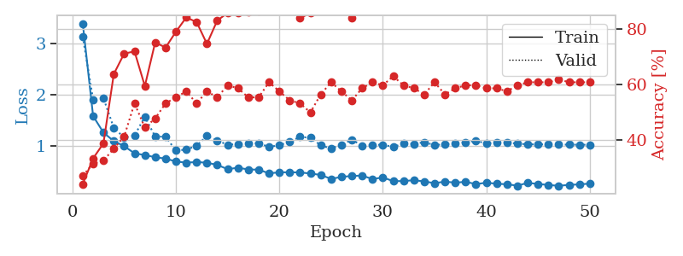
1.3326397823 | 2.5559277224 | 0.25 | 0.25 | 0.21178650856 | 25 | 25
1.3455941988 | 1.7519152216 | 0.25 | 0.25 | 0.20887064934 | 25 | 25
1.2442509247 | 2.0363096673 | 0.25 | 0.25 | 0.21060490608 | 25 | 25
1.2036200503 | 1.7270001173 | 0.25543478261 | 0.21739130435 | 0.21076917648 | 25.543478261 | 21.739130435
1.1497608579 | 2.0709916509 | 0.25543478261 | 0.21739130435 | 0.21164941788 | 25.543478261 | 21.739130435
1.1097255012 | 2.1201317414 | 0.25543478261 | 0.21739130435 | 0.21195983887 | 25.543478261 | 21.739130435
1.1303793762 | 1.6960613676 | 0.25543478261 | 0.21739130435 | 0.21222519875 | 25.543478261 | 21.739130435
1.1659233518 | 1.5928620722 | 0.25543478261 | 0.21739130435 | 0.20908427238 | 25.543478261 | 21.739130435
1.0840923708 | 1.9969955424 | 0.25543478261 | 0.21739130435 | 0.21131873131 | 25.543478261 | 21.739130435
1.1475535683 | 1.4199254046 | 0.25543478261 | 0.21739130435 | 0.21104502678 | 25.543478261 | 21.739130435
1.0771031794 | 1.8087578701 | 0.25543478261 | 0.21739130435 | 0.21209573746 | 25.543478261 | 21.739130435
1.092408385 | 1.848422491 | 0.25543478261 | 0.21739130435 | 0.20939588547 | 25.543478261 | 21.739130435
1.095673727 | 1.8443289581 | 0.25543478261 | 0.21739130435 | 0.21149516106 | 25.543478261 | 21.739130435
1.0409874942 | 1.5599142002 | 0.25543478261 | 0.21739130435 | 0.21075296402 | 25.543478261 | 21.739130435
1.0522384903 | 1.4493368242 | 0.2527173913 | 0.26086956522 | 0.21078062057 | 25.27173913 | 26.086956522
1.0843323625 | 1.619565632 | 0.2527173913 | 0.26086956522 | 0.21170115471 | 25.27173913 | 26.086956522
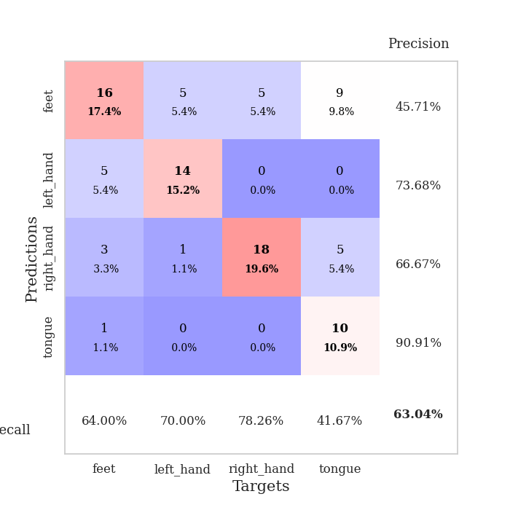
1.0916343228 | 1.5783649268 | 0.25 | 0.25 | 0.21037936211 | 25 | 25
1.050594646 | 2.4175771527 | 0.25543478261 | 0.21739130435 | 0.21198797226 | 25.543478261 | 21.739130435
1.0427528594 | 3.1533065153 | 0.25543478261 | 0.21739130435 | 0.21331834793 | 25.543478261 | 21.739130435
1.0460718326 | 3.7992894546 | 0.25543478261 | 0.21739130435 | 0.21469593048 | 25.543478261 | 21.739130435
0.99309680255 | 3.3159632475 | 0.25543478261 | 0.21739130435 | 0.21277403831 | 25.543478261 | 21.739130435
1.0475620964 | 2.729049382 | 0.25543478261 | 0.21739130435 | 0.21303343773 | 25.543478261 | 21.739130435
1.0645855665 | 1.8838498903 | 0.50815217391 | 0.47826086957 | 0.21190786362 | 50.815217391 | 47.826086957
1.0609486621 | 2.0004158849 | 0.25543478261 | 0.21739130435 | 0.21300268173 | 25.543478261 | 21.739130435
1.0280259848 | 1.5043400319 | 0.50815217391 | 0.47826086957 | 0.21340370178 | 50.815217391 | 47.826086957
1.0597462913 | 1.8790275118 | 0.2527173913 | 0.26086956522 | 0.21188187599 | 25.27173913 | 26.086956522
0.98798661647 | 1.8397404163 | 0.2527173913 | 0.26086956522 | 0.21031904221 | 25.27173913 | 26.086956522
0.98425734561 | 1.2955040932 | 0.50815217391 | 0.47826086957 | 0.21213936806 | 50.815217391 | 47.826086957
0.95910414146 | 1.6858869636 | 0.2527173913 | 0.26086956522 | 0.20982980728 | 25.27173913 | 26.086956522
0.99514100085 | 1.9706345641 | 0.2527173913 | 0.26086956522 | 0.21020722389 | 25.27173913 | 26.086956522
0.95405239644 | 2.0697841126 | 0.2527173913 | 0.26086956522 | 0.2111427784 | 25.27173913 | 26.086956522
1.007739137 | 1.9794847395 | 0.2527173913 | 0.26086956522 | 0.21055102348 | 25.27173913 | 26.086956522
0.95515588574 | 1.8438513383 | 0.2527173913 | 0.26086956522 | 0.21006727219 | 25.27173913 | 26.086956522
0.92269062737 | 1.4313096793 | 0.2527173913 | 0.26086956522 | 0.21151208878 | 25.27173913 | 26.086956522
0.90331616609 | 1.6849577686 | 0.2527173913 | 0.26086956522 | 0.21022343636 | 25.27173913 | 26.086956522
0.89440065622 | 1.7615713866 | 0.2527173913 | 0.26086956522 | 0.21056103706 | 25.27173913 | 26.086956522
0.99357019818 | 1.6420082372 | 0.2527173913 | 0.26086956522 | 0.21008372307 | 25.27173913 | 26.086956522
1.0092234767 | 1.4888167848 | 0.2527173913 | 0.26086956522 | 0.21198868752 | 25.27173913 | 26.086956522
0.9463942647 | 1.1261177167 | 0.2527173913 | 0.26086956522 | 0.20923280716 | 25.27173913 | 26.086956522
0.9779263683 | 1.1526200823 | 0.2527173913 | 0.26086956522 | 0.20915865898 | 25.27173913 | 26.086956522
0.95974771355 | 1.097784203 | 0.5027173913 | 0.51086956522 | 0.20875906944 | 50.27173913 | 51.086956522
0.93279138078 | 1.0496766982 | 0.80163043478 | 0.78260869565 | 0.21304678917 | 80.163043478 | 78.260869565
0.96982971741 | 1.1863137276 | 0.25543478261 | 0.21739130435 | 0.21011328697 | 25.543478261 | 21.739130435
0.91640382487 | 1.2932012081 | 0.25543478261 | 0.21739130435 | 0.21098566055 | 25.543478261 | 21.739130435
0.96377722077 | 1.3049390368 | 0.25543478261 | 0.21739130435 | 0.21256065369 | 25.543478261 | 21.739130435
0.91218900162 | 1.4030746377 | 0.25543478261 | 0.21739130435 | 0.2099468708 | 25.543478261 | 21.739130435
0.98932906078 | 1.4821926407 | 0.25543478261 | 0.21739130435 | 0.2095990181 | 25.543478261 | 21.739130435
0.97676431614 | 1.5335001064 | 0.25543478261 | 0.21739130435 | 0.20949602127 | 25.543478261 | 21.739130435

Best Val accuracy is 0.782608695652174 and Best test accuracy is 0.7586206896551724

Sheet2
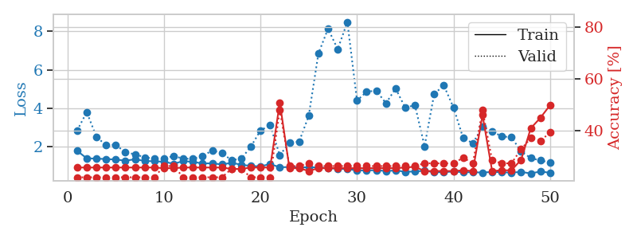
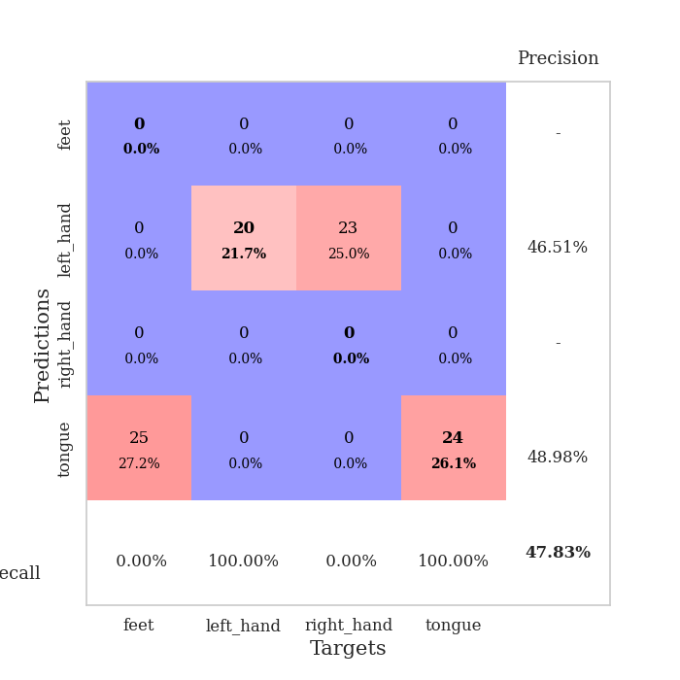
train_loss | valid_loss | train_accuracy | valid_accuracy | dur | train_misclass | valid_misclass
2.7905841703 | 5.1191821928 | 0.25 | 0.25 | 0.08131980896 | 25 | 25
1.5075584287 | 2.1235758273 | 0.33967391304 | 0.29347826087 | 0.080235719681 | 33.967391304 | 29.347826087
1.3181369046 | 2.2510323576 | 0.27173913043 | 0.27173913043 | 0.080175161362 | 27.173913043 | 27.173913043
1.1734366547 | 1.6118033813 | 0.41032608696 | 0.30434782609 | 0.080131292343 | 41.032608696 | 30.434782609
1.1016012638 | 1.3876424613 | 0.66576086957 | 0.39130434783 | 0.080357074738 | 66.576086957 | 39.130434783
1.0605727952 | 1.5997270605 | 0.55163043478 | 0.40217391304 | 0.080548048019 | 55.163043478 | 40.217391304
0.94011496979 | 1.3150516956 | 0.78260869565 | 0.4347826087 | 0.080574274063 | 78.260869565 | 43.47826087
0.91994423711 | 1.3365452549 | 0.68206521739 | 0.42391304348 | 0.08039689064 | 68.206521739 | 42.391304348
0.85363613523 | 1.3831455967 | 0.67391304348 | 0.46739130435 | 0.080388784409 | 67.391304348 | 46.739130435
0.74221428451 | 1.2599114802 | 0.71467391304 | 0.54347826087 | 0.080395936966 | 71.467391304 | 54.347826087
0.69873854518 | 1.6080408718 | 0.58967391304 | 0.51086956522 | 0.080292224884 | 58.967391304 | 51.086956522
0.66396259743 | 1.360325041 | 0.72826086957 | 0.51086956522 | 0.080386400223 | 72.826086957 | 51.086956522
0.59056837079 | 1.2225763901 | 0.76086956522 | 0.52173913043 | 0.080528736115 | 76.086956522 | 52.173913043
0.5629958627 | 1.7212987361 | 0.65217391304 | 0.47826086957 | 0.080229520798 | 65.217391304 | 47.826086957
0.56051345493 | 1.1178689288 | 0.82065217391 | 0.61956521739 | 0.080446481705 | 82.065217391 | 61.956521739
0.57886918343 | 1.0455742167 | 0.86956521739 | 0.57608695652 | 0.08052778244 | 86.956521739 | 57.608695652
0.52686442629 | 1.5613180295 | 0.70380434783 | 0.47826086957 | 0.080310821533 | 70.380434783 | 47.826086957
0.477631359 | 1.1242607832 | 0.86141304348 | 0.55434782609 | 0.080431461334 | 86.141304348 | 55.434782609
0.4494290015 | 1.1076593088 | 0.91304347826 | 0.59782608696 | 0.080458164215 | 91.304347826 | 59.782608696
0.45024727803 | 1.0931569986 | 0.92663043478 | 0.59782608696 | 0.08038687706 | 92.663043478 | 59.782608696
0.46572469952 | 1.1701960356 | 0.91032608696 | 0.53260869565 | 0.080357313156 | 91.032608696 | 53.260869565
0.42104081486 | 1.219486957 | 0.86956521739 | 0.52173913043 | 0.080150127411 | 86.956521739 | 52.173913043
0.45287698345 | 1.2105898287 | 0.89673913043 | 0.57608695652 | 0.080384492874 | 89.673913043 | 57.608695652
0.38386591265 | 1.3221677853 | 0.85869565217 | 0.59782608696 | 0.080425262451 | 85.869565217 | 59.782608696
0.42904844815 | 1.4070234143 | 0.79076086957 | 0.48913043478 | 0.080447912216 | 79.076086957 | 48.913043478
0.36927769366 | 1.2035233404 | 0.89945652174 | 0.55434782609 | 0.080368995667 | 89.945652174 | 55.434782609
0.37865910971 | 1.096102528 | 0.93206521739 | 0.59782608696 | 0.080403327942 | 93.206521739 | 59.782608696
0.29681092825 | 1.1521614686 | 0.89130434783 | 0.58695652174 | 0.080742120743 | 89.130434783 | 58.695652174
0.37808883514 | 1.0711936536 | 0.94293478261 | 0.59782608696 | 0.080346345901 | 94.293478261 | 59.782608696
0.34764600075 | 1.173327871 | 0.92119565217 | 0.55434782609 | 0.080359697342 | 92.119565217 | 55.434782609
0.26128331151 | 1.1695463295 | 0.9375 | 0.54347826087 | 0.080334186554 | 93.75 | 54.347826087
0.38681007565 | 1.2411635492 | 0.90760869565 | 0.5652173913 | 0.080452203751 | 90.760869565 | 56.52173913
0.27584554466 | 1.1607765167 | 0.95108695652 | 0.57608695652 | 0.080122470856 | 95.108695652 | 57.608695652
0.27108308511 | 1.2607776238 | 0.91304347826 | 0.57608695652 | 0.080425024033 | 91.304347826 | 57.608695652
0.28917688714 | 1.1790918941 | 0.94293478261 | 0.5652173913 | 0.080279827118 | 94.293478261 | 56.52173913
0.26395983055 | 1.1470658624 | 0.94565217391 | 0.57608695652 | 0.080180644989 | 94.565217391 | 57.608695652
0.30074139134 | 1.2392210079 | 0.91576086957 | 0.53260869565 | 0.080446243286 | 91.576086957 | 53.260869565
0.28330577942 | 1.1759627176 | 0.95380434783 | 0.5652173913 | 0.080501794815 | 95.380434783 | 56.52173913
0.26314125955 | 1.2618588572 | 0.91304347826 | 0.55434782609 | 0.080865859985 | 91.304347826 | 55.434782609
0.24309503741 | 1.2697557315 | 0.92391304348 | 0.55434782609 | 0.080693721771 | 92.391304348 | 55.434782609
0.21768362593 | 1.2279645827 | 0.94293478261 | 0.5652173913 | 0.080476284027 | 94.293478261 | 56.52173913
0.25292868135 | 1.2048127599 | 0.95108695652 | 0.5652173913 | 0.080455303192 | 95.108695652 | 56.52173913
0.25835924822 | 1.2146617744 | 0.94836956522 | 0.59782608696 | 0.080452442169 | 94.836956522 | 59.782608696
0.22248751136 | 1.1957260267 | 0.95380434783 | 0.58695652174 | 0.080440759659 | 95.380434783 | 58.695652174
0.24383069802 | 1.2025772437 | 0.95108695652 | 0.58695652174 | 0.080682516098 | 95.108695652 | 58.695652174
0.24928828199 | 1.2015937256 | 0.95108695652 | 0.58695652174 | 0.080514669418 | 95.108695652 | 58.695652174
0.23869755087 | 1.2048478075 | 0.95108695652 | 0.58695652174 | 0.080545425415 | 95.108695652 | 58.695652174
0.22463364932 | 1.2038804085 | 0.95108695652 | 0.58695652174 | 0.080429315567 | 95.108695652 | 58.695652174
0.26144491023 | 1.2044516491 | 0.95380434783 | 0.58695652174 | 0.080337285995 | 95.380434783 | 58.695652174
0.27081460797 | 1.2051184592 | 0.95380434783 | 0.58695652174 | 0.080322027206 | 95.380434783 | 58.695652174

Best Val accuracy is 0.6195652173913043 and Best test accuracy is 0.5775862068965517
train_loss | valid_loss | train_accuracy | valid_accuracy | dur | train_misclass | valid_misclass
1.7947248272 | 2.8464953485 | 0.25543478261 | 0.21739130435 | 0.20969772339 | 25.543478261 | 21.739130435
1.4020697863 | 3.8000939411 | 0.25543478261 | 0.21739130435 | 0.2115521431 | 25.543478261 | 21.739130435
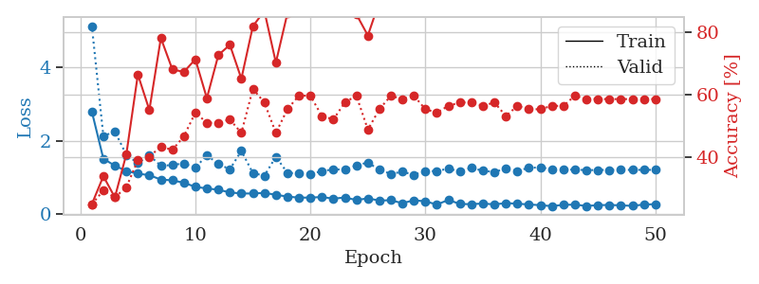
1.3888558564 | 2.5267900488 | 0.25543478261 | 0.21739130435 | 0.21005940437 | 25.543478261 | 21.739130435
1.3646541316 | 2.0765904862 | 0.25543478261 | 0.21739130435 | 0.21193933487 | 25.543478261 | 21.739130435
1.3429807062 | 2.1137380289 | 0.25543478261 | 0.21739130435 | 0.21077013016 | 25.543478261 | 21.739130435
1.2806263177 | 1.7039632797 | 0.25543478261 | 0.21739130435 | 0.20976901054 | 25.543478261 | 21.739130435
1.3541508861 | 1.6192653646 | 0.25543478261 | 0.21739130435 | 0.2110247612 | 25.543478261 | 21.739130435
1.2694484047 | 1.4522671078 | 0.25543478261 | 0.21739130435 | 0.2096657753 | 25.543478261 | 21.739130435
1.2476027323 | 1.3911570518 | 0.25543478261 | 0.21739130435 | 0.20893454552 | 25.543478261 | 21.739130435
1.2262652128 | 1.3883647867 | 0.2527173913 | 0.26086956522 | 0.2118730545 | 25.27173913 | 26.086956522
1.1200615867 | 1.5263704424 | 0.2527173913 | 0.26086956522 | 0.21210050583 | 25.27173913 | 26.086956522
1.2618613606 | 1.38033757 | 0.25543478261 | 0.21739130435 | 0.21181917191 | 25.543478261 | 21.739130435
1.2159632704 | 1.385098561 | 0.25543478261 | 0.21739130435 | 0.20999288559 | 25.543478261 | 21.739130435
1.1398250227 | 1.5146613588 | 0.25543478261 | 0.21739130435 | 0.20979499817 | 25.543478261 | 21.739130435
1.1428046123 | 1.816871415 | 0.25543478261 | 0.21739130435 | 0.21148729324 | 25.543478261 | 21.739130435
1.0876381475 | 1.6707349705 | 0.25543478261 | 0.21739130435 | 0.21099114418 | 25.543478261 | 21.739130435
1.1679066057 | 1.3106609065 | 0.25 | 0.25 | 0.21072363853 | 25 | 25
1.0747488245 | 1.3806236257 | 0.25 | 0.25 | 0.21027398109 | 25 | 25
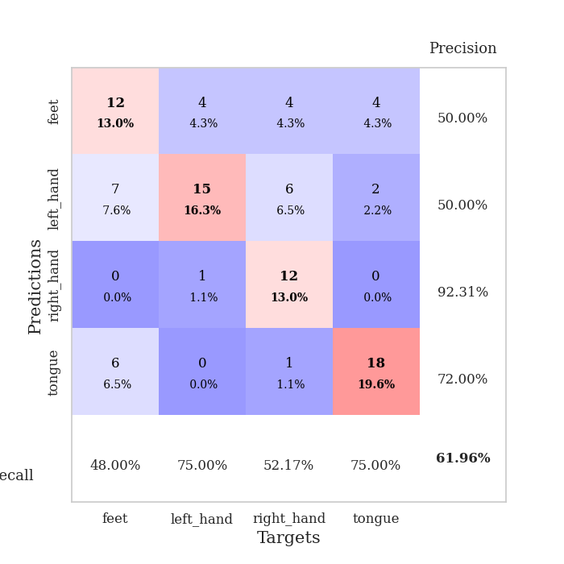
1.0037153311 | 2.0044288428 | 0.25543478261 | 0.21739130435 | 0.20969295502 | 25.543478261 | 21.739130435
0.98653623332 | 2.8527586045 | 0.25543478261 | 0.21739130435 | 0.21193003654 | 25.543478261 | 21.739130435
1.1048717266 | 3.1202206508 | 0.25543478261 | 0.21739130435 | 0.21194505692 | 25.543478261 | 21.739130435
0.9391821882 | 1.5631632027 | 0.50815217391 | 0.47826086957 | 0.21298956871 | 50.815217391 | 47.826086957
0.95189674004 | 2.2165475773 | 0.2527173913 | 0.26086956522 | 0.21179008484 | 25.27173913 | 26.086956522
0.92760673813 | 2.2669684265 | 0.2527173913 | 0.26086956522 | 0.21180653572 | 25.27173913 | 26.086956522
0.94133524014 | 3.6096812331 | 0.24184782609 | 0.27173913043 | 0.21144390106 | 24.184782609 | 27.173913043
0.93027209976 | 6.8438817522 | 0.2527173913 | 0.26086956522 | 0.21063542366 | 25.27173913 | 26.086956522
0.89699685314 | 8.1308331075 | 0.2527173913 | 0.26086956522 | 0.21167135239 | 25.27173913 | 26.086956522
0.86561993153 | 7.0661051999 | 0.2527173913 | 0.26086956522 | 0.21005272865 | 25.27173913 | 26.086956522
0.84298554452 | 8.4839164485 | 0.2527173913 | 0.26086956522 | 0.21122503281 | 25.27173913 | 26.086956522
0.78170113719 | 4.4004472753 | 0.2527173913 | 0.26086956522 | 0.21163868904 | 25.27173913 | 26.086956522
0.77405251239 | 4.8602915432 | 0.2527173913 | 0.26086956522 | 0.21364712715 | 25.27173913 | 26.086956522
0.79083783212 | 4.916633523 | 0.2527173913 | 0.26086956522 | 0.21178030968 | 25.27173913 | 26.086956522
0.74272645556 | 4.2607753899 | 0.2527173913 | 0.26086956522 | 0.21141147614 | 25.27173913 | 26.086956522
0.77433504099 | 5.0265679359 | 0.2527173913 | 0.26086956522 | 0.21144294739 | 25.27173913 | 26.086956522
0.70727495525 | 4.0280248393 | 0.25543478261 | 0.26086956522 | 0.21038007736 | 25.543478261 | 26.086956522
0.71723624675 | 4.1667001558 | 0.25815217391 | 0.26086956522 | 0.21102285385 | 25.815217391 | 26.086956522
0.76385417062 | 2.0314186138 | 0.24184782609 | 0.27173913043 | 0.20999717712 | 24.184782609 | 27.173913043
0.6765669986 | 4.7596851639 | 0.24184782609 | 0.27173913043 | 0.20839071274 | 24.184782609 | 27.173913043
0.68974118518 | 5.1772779174 | 0.24184782609 | 0.27173913043 | 0.2115354538 | 24.184782609 | 27.173913043
0.71429016279 | 4.0401123503 | 0.24184782609 | 0.27173913043 | 0.21116542816 | 24.184782609 | 27.173913043
0.68486357124 | 2.4504466057 | 0.24456521739 | 0.29347826087 | 0.21152162552 | 24.456521739 | 29.347826087
0.67906391232 | 2.1915435273 | 0.24184782609 | 0.27173913043 | 0.21077013016 | 24.184782609 | 27.173913043
0.66760456303 | 3.0353033957 | 0.45923913043 | 0.47826086957 | 0.21144890785 | 45.923913043 | 47.826086957
0.69529958523 | 2.8113230726 | 0.24184782609 | 0.28260869565 | 0.21374845505 | 24.184782609 | 28.260869565
0.6817749039 | 2.5342423709 | 0.24456521739 | 0.27173913043 | 0.21289038658 | 24.456521739 | 27.173913043
0.66078372753 | 2.5071177068 | 0.24456521739 | 0.27173913043 | 0.21025633812 | 24.456521739 | 27.173913043
0.70089233829 | 1.7533037403 | 0.28532608696 | 0.32608695652 | 0.21015954018 | 28.532608696 | 32.608695652
0.61730563252 | 1.4202436623 | 0.40760869565 | 0.36956521739 | 0.21057653427 | 40.760869565 | 36.956521739
0.72094673048 | 1.2905438827 | 0.44836956522 | 0.35869565217 | 0.21181869507 | 44.836956522 | 35.869565217
0.65184534373 | 1.187820787 | 0.4972826087 | 0.39130434783 | 0.21116423607 | 49.72826087 | 39.130434783

Best Val accuracy is 0.4782608695652174 and Best test accuracy is 0.49137931034482757

Sheet3
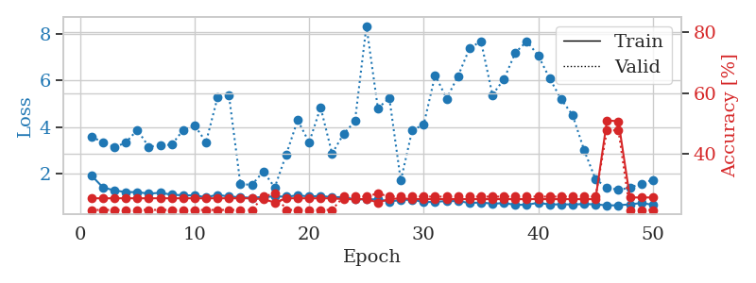

train_loss | valid_loss | train_accuracy | valid_accuracy | dur | train_misclass | valid_misclass
3.3507116152 | 7.3914143106 | 0.2527173913 | 0.26086956522 | 0.082852363586 | 25.27173913 | 26.086956522
1.6101014251 | 2.3154891367 | 0.26902173913 | 0.28260869565 | 0.07950758934 | 26.902173913 | 28.260869565
1.3196637164 | 1.8956999571 | 0.39402173913 | 0.27173913043 | 0.079389572144 | 39.402173913 | 27.173913043
1.1950560549 | 1.9964738929 | 0.43206521739 | 0.36956521739 | 0.079275608063 | 43.206521739 | 36.956521739
1.1039080827 | 1.5910481318 | 0.60054347826 | 0.35869565217 | 0.079590320587 | 60.054347826 | 35.869565217
1.0447710986 | 1.5952437442 | 0.64130434783 | 0.29347826087 | 0.079938650131 | 64.130434783 | 29.347826087
0.93855126785 | 1.5627413573 | 0.7472826087 | 0.39130434783 | 0.079669952393 | 74.72826087 | 39.130434783
0.88941544813 | 1.7398311781 | 0.73369565217 | 0.32608695652 | 0.079808235168 | 73.369565217 | 32.608695652
0.93136873453 | 1.7095056876 | 0.76358695652 | 0.39130434783 | 0.079683542252 | 76.358695652 | 39.130434783
0.82832684465 | 1.686783122 | 0.83695652174 | 0.35869565217 | 0.079865217209 | 83.695652174 | 35.869565217
0.71738401833 | 1.6982622509 | 0.84239130435 | 0.36956521739 | 0.079792022705 | 84.239130435 | 36.956521739
0.71568865491 | 1.5827153092 | 0.80706521739 | 0.41304347826 | 0.079776763916 | 80.706521739 | 41.304347826
0.68735077977 | 1.698573693 | 0.80706521739 | 0.41304347826 | 0.079819917679 | 80.706521739 | 41.304347826
0.66977017988 | 1.7029443202 | 0.85326086957 | 0.33695652174 | 0.079775094986 | 85.326086957 | 33.695652174
0.57741791269 | 1.6109561713 | 0.86684782609 | 0.41304347826 | 0.079658508301 | 86.684782609 | 41.304347826
0.54689816029 | 1.5890887768 | 0.85597826087 | 0.4347826087 | 0.079630613327 | 85.597826087 | 43.47826087
0.57581532909 | 1.639110814 | 0.82336956522 | 0.40217391304 | 0.079621315002 | 82.336956522 | 40.217391304
0.48118388523 | 1.6277043094 | 0.79619565217 | 0.4347826087 | 0.079704999924 | 79.619565217 | 43.47826087
0.46533867717 | 1.4581960751 | 0.86684782609 | 0.44565217391 | 0.079734563828 | 86.684782609 | 44.565217391
0.45585949265 | 1.8034349006 | 0.82608695652 | 0.39130434783 | 0.079813718796 | 82.608695652 | 39.130434783
0.38883291379 | 1.6662427705 | 0.80434782609 | 0.45652173913 | 0.079747200012 | 80.434782609 | 45.652173913
0.36606860938 | 1.7052101052 | 0.82608695652 | 0.42391304348 | 0.080351352692 | 82.608695652 | 42.391304348
0.40657874229 | 1.5599032692 | 0.88858695652 | 0.45652173913 | 0.081792116165 | 88.858695652 | 45.652173913
0.37837774825 | 1.5546812389 | 0.86413043478 | 0.47826086957 | 0.080351114273 | 86.413043478 | 47.826086957
0.33370891797 | 1.2780356977 | 0.96467391304 | 0.52173913043 | 0.080186605453 | 96.467391304 | 52.173913043
0.34647095203 | 1.4916445432 | 0.88315217391 | 0.47826086957 | 0.080274820328 | 88.315217391 | 47.826086957
0.30128398149 | 1.3864658397 | 0.91304347826 | 0.5 | 0.079649209976 | 91.304347826 | 50
0.27032287808 | 1.5227670255 | 0.88858695652 | 0.44565217391 | 0.079915761948 | 88.858695652 | 44.565217391
0.23381403072 | 1.4123524738 | 0.91304347826 | 0.48913043478 | 0.079579591751 | 91.304347826 | 48.913043478
0.28278993022 | 1.3290698062 | 0.96739130435 | 0.52173913043 | 0.079959869385 | 96.739130435 | 52.173913043
0.25025884289 | 1.3995106428 | 0.94836956522 | 0.52173913043 | 0.079747676849 | 94.836956522 | 52.173913043
0.24808860019 | 1.4740101721 | 0.92119565217 | 0.5 | 0.079845905304 | 92.119565217 | 50
0.22711122554 | 1.5682167229 | 0.91304347826 | 0.47826086957 | 0.079720973969 | 91.304347826 | 47.826086957
0.21130109967 | 1.5634083385 | 0.89945652174 | 0.48913043478 | 0.079642057419 | 89.945652174 | 48.913043478
0.19319226901 | 1.4270926818 | 0.94565217391 | 0.53260869565 | 0.079759120941 | 94.565217391 | 53.260869565
0.20645305482 | 1.5117428614 | 0.92391304348 | 0.5 | 0.079872608185 | 92.391304348 | 50
0.21885588279 | 1.4190026055 | 0.9402173913 | 0.52173913043 | 0.079866170883 | 94.02173913 | 52.173913043
0.20882360548 | 1.4538786463 | 0.9347826087 | 0.52173913043 | 0.07985663414 | 93.47826087 | 52.173913043
0.16839205984 | 1.4485572006 | 0.9402173913 | 0.53260869565 | 0.079895019531 | 94.02173913 | 53.260869565
0.20592344277 | 1.4855236022 | 0.9347826087 | 0.53260869565 | 0.079756975174 | 93.47826087 | 53.260869565
0.19379712155 | 1.5133721984 | 0.93206521739 | 0.48913043478 | 0.07989025116 | 93.206521739 | 48.913043478
0.17831294903 | 1.4793896623 | 0.9347826087 | 0.51086956522 | 0.0797996521 | 93.47826087 | 51.086956522
0.15791215067 | 1.4920605836 | 0.9375 | 0.52173913043 | 0.080035448074 | 93.75 | 52.173913043
0.23704360976 | 1.5058294638 | 0.9375 | 0.51086956522 | 0.079782485962 | 93.75 | 51.086956522
0.18913092254 | 1.5162461167 | 0.9375 | 0.5 | 0.080115556717 | 93.75 | 50
0.17459033017 | 1.5186074661 | 0.9347826087 | 0.5 | 0.07990026474 | 93.47826087 | 50
0.18357763423 | 1.5077402125 | 0.94293478261 | 0.5 | 0.079817056656 | 94.293478261 | 50
0.17427642514 | 1.5046168773 | 0.94293478261 | 0.51086956522 | 0.080008983612 | 94.293478261 | 51.086956522
0.22738950926 | 1.5031862103 | 0.94836956522 | 0.51086956522 | 0.079829454422 | 94.836956522 | 51.086956522
0.15716396726 | 1.500648058 | 0.94836956522 | 0.51086956522 | 0.079814195633 | 94.836956522 | 51.086956522

Best Val accuracy is 0.532608695652174 and Best test accuracy is 0.5603448275862069
train_loss | valid_loss | train_accuracy | valid_accuracy | dur | train_misclass | valid_misclass
1.9179437834 | 3.5814587863 | 0.25543478261 | 0.21739130435 | 0.21046042442 | 25.543478261 | 21.739130435
1.4085584983 | 3.3499498471 | 0.25543478261 | 0.21739130435 | 0.21388697624 | 25.543478261 | 21.739130435
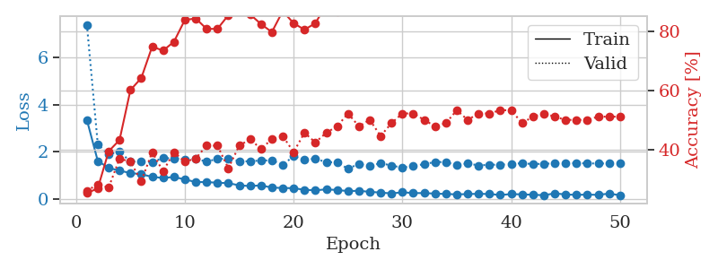
1.2810765971 | 3.1282335883 | 0.25543478261 | 0.21739130435 | 0.21031880379 | 25.543478261 | 21.739130435
1.2078018292 | 3.3357316411 | 0.25543478261 | 0.21739130435 | 0.21030759811 | 25.543478261 | 21.739130435
1.2097413618 | 3.8774782678 | 0.25543478261 | 0.21739130435 | 0.20920944214 | 25.543478261 | 21.739130435
1.1412820453 | 3.1500448559 | 0.25543478261 | 0.21739130435 | 0.20916962624 | 25.543478261 | 21.739130435
1.1809685749 | 3.2262098582 | 0.25543478261 | 0.21739130435 | 0.21034955978 | 25.543478261 | 21.739130435
1.0978363701 | 3.2403572642 | 0.25543478261 | 0.21739130435 | 0.20908784866 | 25.543478261 | 21.739130435
1.0722723396 | 3.8723094463 | 0.25543478261 | 0.21739130435 | 0.21118617058 | 25.543478261 | 21.739130435
1.0666467159 | 4.0710175141 | 0.25543478261 | 0.21739130435 | 0.21128869057 | 25.543478261 | 21.739130435
0.98988466937 | 3.3556213483 | 0.25543478261 | 0.21739130435 | 0.21099591255 | 25.543478261 | 21.739130435
1.0895314502 | 5.2636866362 | 0.25543478261 | 0.21739130435 | 0.2099404335 | 25.543478261 | 21.739130435
1.0178569296 | 5.3590370676 | 0.25543478261 | 0.21739130435 | 0.20925879478 | 25.543478261 | 21.739130435
0.98965159188 | 1.5503669822 | 0.25543478261 | 0.21739130435 | 0.20889496803 | 25.543478261 | 21.739130435
0.96427700053 | 1.5208871935 | 0.25543478261 | 0.21739130435 | 0.20983672142 | 25.543478261 | 21.739130435
1.0007660259 | 2.0896311428 | 0.2527173913 | 0.26086956522 | 0.2080719471 | 25.27173913 | 26.086956522
1.021722493 | 1.4092077846 | 0.24184782609 | 0.27173913043 | 0.21017837524 | 24.184782609 | 27.173913043
1.0147077674 | 2.8264080442 | 0.25543478261 | 0.21739130435 | 0.20902943611 | 25.543478261 | 21.739130435
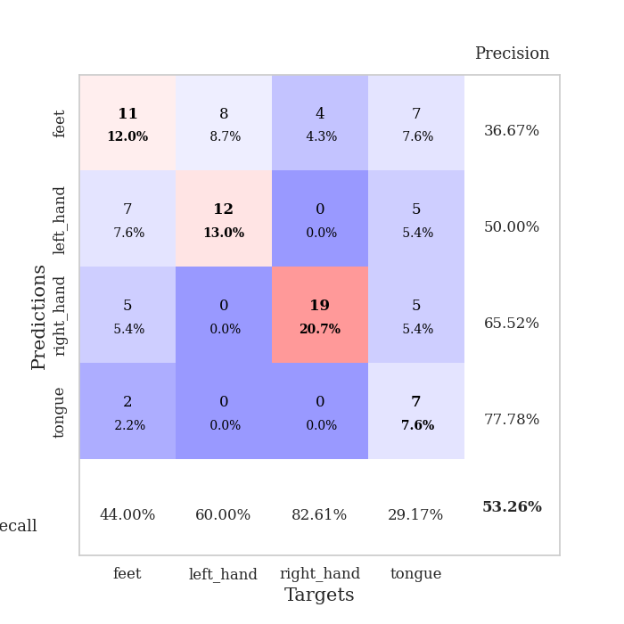
1.064273614 | 4.2981617554 | 0.25543478261 | 0.21739130435 | 0.21105504036 | 25.543478261 | 21.739130435
1.0232449874 | 3.3360817432 | 0.25543478261 | 0.21739130435 | 0.21065235138 | 25.543478261 | 21.739130435
1.0424424436 | 4.8457864264 | 0.25543478261 | 0.21739130435 | 0.21149897575 | 25.543478261 | 21.739130435
0.98803324544 | 2.8599981536 | 0.25543478261 | 0.21739130435 | 0.20990657806 | 25.543478261 | 21.739130435
0.99688582317 | 3.6979517315 | 0.2527173913 | 0.26086956522 | 0.20992469788 | 25.27173913 | 26.086956522
0.89461495306 | 4.2548982579 | 0.2527173913 | 0.26086956522 | 0.20940876007 | 25.27173913 | 26.086956522
0.9017601065 | 8.3379418746 | 0.2527173913 | 0.26086956522 | 0.21021914482 | 25.27173913 | 26.086956522
0.8961511643 | 4.8030468692 | 0.24184782609 | 0.27173913043 | 0.20921587944 | 24.184782609 | 27.173913043
0.80731566963 | 5.2467456901 | 0.2527173913 | 0.26086956522 | 0.21023106575 | 25.27173913 | 26.086956522
0.86600335525 | 1.7028110546 | 0.25543478261 | 0.26086956522 | 0.21004748344 | 25.543478261 | 26.086956522
0.88918933402 | 3.871767863 | 0.2527173913 | 0.26086956522 | 0.21069693565 | 25.27173913 | 26.086956522
0.7783197035 | 4.1007995605 | 0.2527173913 | 0.26086956522 | 0.21156263351 | 25.27173913 | 26.086956522
0.7905754758 | 6.2323415383 | 0.2527173913 | 0.26086956522 | 0.21140384674 | 25.27173913 | 26.086956522
0.82653852909 | 5.2212613769 | 0.2527173913 | 0.26086956522 | 0.21179842949 | 25.27173913 | 26.086956522
0.82378651785 | 6.192656206 | 0.2527173913 | 0.26086956522 | 0.21046209335 | 25.27173913 | 26.086956522
0.74206406785 | 7.3738332002 | 0.2527173913 | 0.26086956522 | 0.21160840988 | 25.27173913 | 26.086956522
0.76398301254 | 7.6866004156 | 0.2527173913 | 0.26086956522 | 0.21177148819 | 25.27173913 | 26.086956522
0.71238443385 | 5.3831121403 | 0.2527173913 | 0.26086956522 | 0.21214675903 | 25.27173913 | 26.086956522
0.73455161245 | 6.0491533694 | 0.2527173913 | 0.26086956522 | 0.21277785301 | 25.27173913 | 26.086956522
0.6665585663 | 7.1911182196 | 0.2527173913 | 0.26086956522 | 0.21205067635 | 25.27173913 | 26.086956522
0.66193985421 | 7.6775437231 | 0.2527173913 | 0.26086956522 | 0.21538114548 | 25.27173913 | 26.086956522
0.7515034248 | 7.0683806668 | 0.2527173913 | 0.26086956522 | 0.21251940727 | 25.27173913 | 26.086956522
0.67554628072 | 6.0825611612 | 0.2527173913 | 0.26086956522 | 0.21487188339 | 25.27173913 | 26.086956522
0.68656012416 | 5.1918530464 | 0.2527173913 | 0.26086956522 | 0.21195888519 | 25.27173913 | 26.086956522
0.67805531621 | 4.5113948532 | 0.2527173913 | 0.26086956522 | 0.21640467644 | 25.27173913 | 26.086956522
0.69633007438 | 3.0129567644 | 0.2527173913 | 0.26086956522 | 0.21191072464 | 25.27173913 | 26.086956522
0.68336910657 | 1.757398652 | 0.2527173913 | 0.26086956522 | 0.20992016792 | 25.27173913 | 26.086956522
0.63746348671 | 1.4020001007 | 0.51086956522 | 0.47826086957 | 0.20916604996 | 51.086956522 | 47.826086957
0.64282203757 | 1.3023419847 | 0.50815217391 | 0.47826086957 | 0.20931482315 | 50.815217391 | 47.826086957
0.6844935171 | 1.4010165308 | 0.25815217391 | 0.21739130435 | 0.20988893509 | 25.815217391 | 21.739130435
0.73766713816 | 1.5702166091 | 0.25815217391 | 0.21739130435 | 0.21054601669 | 25.815217391 | 21.739130435
0.66568561222 | 1.7373201951 | 0.25815217391 | 0.21739130435 | 0.2110376358 | 25.815217391 | 21.739130435

Best Val accuracy is 0.4782608695652174 and Best test accuracy is 0.49137931034482757

Sheet4
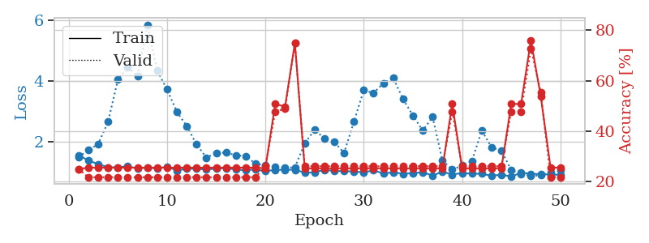
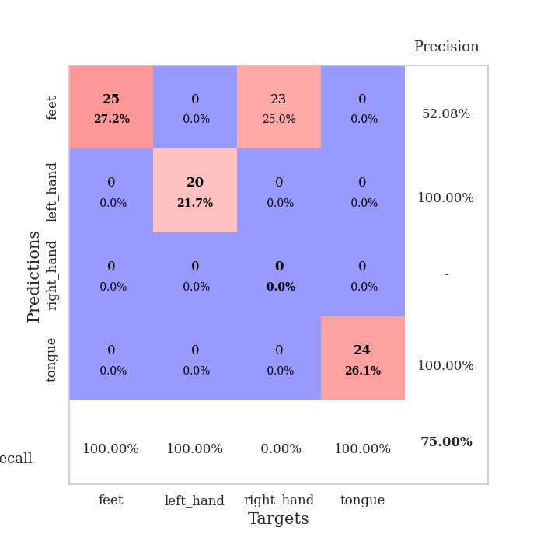
train_loss | valid_loss | train_accuracy | valid_accuracy | dur | train_misclass | valid_misclass
3.4059988053 | 8.8891295765 | 0.25543478261 | 0.26086956522 | 0.083005428314 | 25.543478261 | 26.086956522
1.5963130982 | 5.6090864513 | 0.26630434783 | 0.28260869565 | 0.080466032028 | 26.630434783 | 28.260869565
1.3720119803 | 2.9851743657 | 0.35597826087 | 0.32608695652 | 0.080375909805 | 35.597826087 | 32.608695652
1.1495896422 | 1.7493112761 | 0.56793478261 | 0.42391304348 | 0.080087423325 | 56.793478261 | 42.391304348
0.9756899191 | 1.8186482994 | 0.57880434783 | 0.4347826087 | 0.079760074615 | 57.880434783 | 43.47826087
0.9011754575 | 1.6332663039 | 0.65217391304 | 0.45652173913 | 0.079819440842 | 65.217391304 | 45.652173913
0.89609533548 | 1.1398576006 | 0.79891304348 | 0.51086956522 | 0.07962846756 | 79.891304348 | 51.086956522
0.78466123213 | 1.0871703184 | 0.80163043478 | 0.52173913043 | 0.079832792282 | 80.163043478 | 52.173913043
0.68689299537 | 1.0876508433 | 0.82336956522 | 0.54347826087 | 0.0796687603 | 82.336956522 | 54.347826087
0.66503684287 | 1.3381777846 | 0.76086956522 | 0.45652173913 | 0.079585075378 | 76.086956522 | 45.652173913
0.6586522771 | 1.1446604055 | 0.80706521739 | 0.51086956522 | 0.079391002655 | 80.706521739 | 51.086956522
0.65222727734 | 1.2414411047 | 0.77989130435 | 0.44565217391 | 0.079535722733 | 77.989130435 | 44.565217391
0.61459465973 | 1.2999976822 | 0.76630434783 | 0.45652173913 | 0.079421520233 | 76.630434783 | 45.652173913
0.57445600111 | 1.0495131508 | 0.89130434783 | 0.53260869565 | 0.079840660095 | 89.130434783 | 53.260869565
0.56978306693 | 1.1925628755 | 0.82608695652 | 0.53260869565 | 0.084405660629 | 82.608695652 | 53.260869565
0.55049948977 | 1.153706675 | 0.83152173913 | 0.54347826087 | 0.081436872482 | 83.152173913 | 54.347826087
0.50213340249 | 1.200992408 | 0.84782608696 | 0.5652173913 | 0.081142425537 | 84.782608696 | 56.52173913
0.47041786494 | 1.332820317 | 0.79891304348 | 0.51086956522 | 0.08137845993 | 79.891304348 | 51.086956522
0.46105972062 | 1.1649096997 | 0.86413043478 | 0.59782608696 | 0.080669164658 | 86.413043478 | 59.782608696
0.44478598043 | 1.1363796877 | 0.875 | 0.54347826087 | 0.080845832825 | 87.5 | 54.347826087
0.44715108949 | 1.1919591582 | 0.83423913043 | 0.53260869565 | 0.0809674263 | 83.423913043 | 53.260869565
0.48898696575 | 1.0940486944 | 0.91032608696 | 0.53260869565 | 0.080693483353 | 91.032608696 | 53.260869565
0.40602730733 | 1.1318518597 | 0.90760869565 | 0.55434782609 | 0.081007003784 | 90.760869565 | 55.434782609
0.48763800898 | 1.1831083505 | 0.91032608696 | 0.54347826087 | 0.080695152283 | 91.032608696 | 54.347826087
0.4662149853 | 1.2594360891 | 0.89673913043 | 0.54347826087 | 0.081058979034 | 89.673913043 | 54.347826087
0.42540608282 | 1.2416379193 | 0.90760869565 | 0.5652173913 | 0.08127450943 | 90.760869565 | 56.52173913
0.31262174735 | 1.1816917191 | 0.92119565217 | 0.5652173913 | 0.081215858459 | 92.119565217 | 56.52173913
0.35498582118 | 1.1822337119 | 0.93206521739 | 0.57608695652 | 0.081215143204 | 93.206521739 | 57.608695652
0.28888425296 | 1.3326809976 | 0.85869565217 | 0.52173913043 | 0.081524610519 | 85.869565217 | 52.173913043
0.3193577941 | 1.2705861019 | 0.8777173913 | 0.54347826087 | 0.081259727478 | 87.77173913 | 54.347826087
0.29374101758 | 1.3087893621 | 0.86956521739 | 0.5652173913 | 0.081420898438 | 86.956521739 | 56.52173913
0.28388633935 | 1.3615229959 | 0.85054347826 | 0.55434782609 | 0.081473588943 | 85.054347826 | 55.434782609
0.30377489037 | 1.3690167614 | 0.86956521739 | 0.53260869565 | 0.081267595291 | 86.956521739 | 53.260869565
0.28006497803 | 1.2579743655 | 0.90760869565 | 0.55434782609 | 0.082179307938 | 90.760869565 | 55.434782609
0.27527731479 | 1.3069530466 | 0.90217391304 | 0.52173913043 | 0.082696199417 | 90.217391304 | 52.173913043
0.27897647444 | 1.3460475051 | 0.88315217391 | 0.53260869565 | 0.081357002258 | 88.315217391 | 53.260869565
0.26017063629 | 1.342515028 | 0.89402173913 | 0.55434782609 | 0.081341505051 | 89.402173913 | 55.434782609
0.27514330524 | 1.3543071229 | 0.89402173913 | 0.53260869565 | 0.081165552139 | 89.402173913 | 53.260869565
0.23651533865 | 1.3644930124 | 0.88586956522 | 0.53260869565 | 0.080971479416 | 88.586956522 | 53.260869565
0.24372215326 | 1.3890274245 | 0.88315217391 | 0.53260869565 | 0.081161499023 | 88.315217391 | 53.260869565
0.21994289788 | 1.3881900777 | 0.88315217391 | 0.53260869565 | 0.081250429153 | 88.315217391 | 53.260869565
0.27876379114 | 1.3802243575 | 0.88315217391 | 0.55434782609 | 0.081154584885 | 88.315217391 | 55.434782609
0.22396372032 | 1.3671429831 | 0.88586956522 | 0.55434782609 | 0.081324100494 | 88.586956522 | 55.434782609
0.27752197032 | 1.3345215839 | 0.88858695652 | 0.55434782609 | 0.081110477448 | 88.858695652 | 55.434782609
0.22923407736 | 1.3240183592 | 0.88858695652 | 0.55434782609 | 0.081106901169 | 88.858695652 | 55.434782609
0.23188493401 | 1.3140180837 | 0.90217391304 | 0.55434782609 | 0.081289052963 | 90.217391304 | 55.434782609
0.2380192824 | 1.3077190596 | 0.90217391304 | 0.55434782609 | 0.08083319664 | 90.217391304 | 55.434782609
0.24730674307 | 1.3018692836 | 0.89945652174 | 0.55434782609 | 0.081018686295 | 89.945652174 | 55.434782609
0.19957441351 | 1.2976888211 | 0.90217391304 | 0.55434782609 | 0.081355810165 | 90.217391304 | 55.434782609
0.22413593693 | 1.294531392 | 0.90760869565 | 0.5652173913 | 0.080995321274 | 90.760869565 | 56.52173913

Best Val accuracy is 0.5978260869565217 and Best test accuracy is 0.5431034482758621
train_loss | valid_loss | train_accuracy | valid_accuracy | dur | train_misclass | valid_misclass
1.564319779 | 1.5035160728 | 0.25 | 0.25 | 0.21052932739 | 25 | 25
1.3882675119 | 1.7244285034 | 0.25543478261 | 0.21739130435 | 0.21390748024 | 25.543478261 | 21.739130435
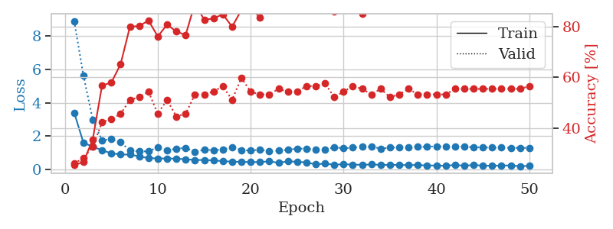
1.2687887938 | 1.9291243139 | 0.25543478261 | 0.21739130435 | 0.2117164135 | 25.543478261 | 21.739130435
1.1652097339 | 2.6557749458 | 0.25543478261 | 0.21739130435 | 0.21113705635 | 25.543478261 | 21.739130435
1.1621637344 | 4.0401112308 | 0.25543478261 | 0.21739130435 | 0.20911312103 | 25.543478261 | 21.739130435
1.2003169708 | 4.4535112796 | 0.25543478261 | 0.21739130435 | 0.21155500412 | 25.543478261 | 21.739130435
1.1195064757 | 4.1565282656 | 0.25543478261 | 0.21739130435 | 0.21029376984 | 25.543478261 | 21.739130435
1.1616749453 | 5.8242001741 | 0.25543478261 | 0.21739130435 | 0.21289634705 | 25.543478261 | 21.739130435
1.1233901019 | 4.3350174945 | 0.25543478261 | 0.21739130435 | 0.21102762222 | 25.543478261 | 21.739130435
1.1870464631 | 3.7197369389 | 0.25543478261 | 0.21739130435 | 0.21100664139 | 25.543478261 | 21.739130435
1.0576161561 | 2.9812930667 | 0.25543478261 | 0.21739130435 | 0.21155619621 | 25.543478261 | 21.739130435
1.1165684177 | 2.5212637445 | 0.25543478261 | 0.21739130435 | 0.21284556389 | 25.543478261 | 21.739130435
1.1168199985 | 1.9156548666 | 0.25543478261 | 0.21739130435 | 0.21147680283 | 25.543478261 | 21.739130435
1.0908219244 | 1.4834968785 | 0.25543478261 | 0.21739130435 | 0.20925879478 | 25.543478261 | 21.739130435
1.1242608843 | 1.6326619646 | 0.25543478261 | 0.21739130435 | 0.20996809006 | 25.543478261 | 21.739130435
1.1381749563 | 1.647876781 | 0.25543478261 | 0.21739130435 | 0.21077275276 | 25.543478261 | 21.739130435
1.0896254208 | 1.555766002 | 0.25543478261 | 0.21739130435 | 0.20921826363 | 25.543478261 | 21.739130435
1.0703460652 | 1.5373637573 | 0.25543478261 | 0.21739130435 | 0.21055936813 | 25.543478261 | 21.739130435
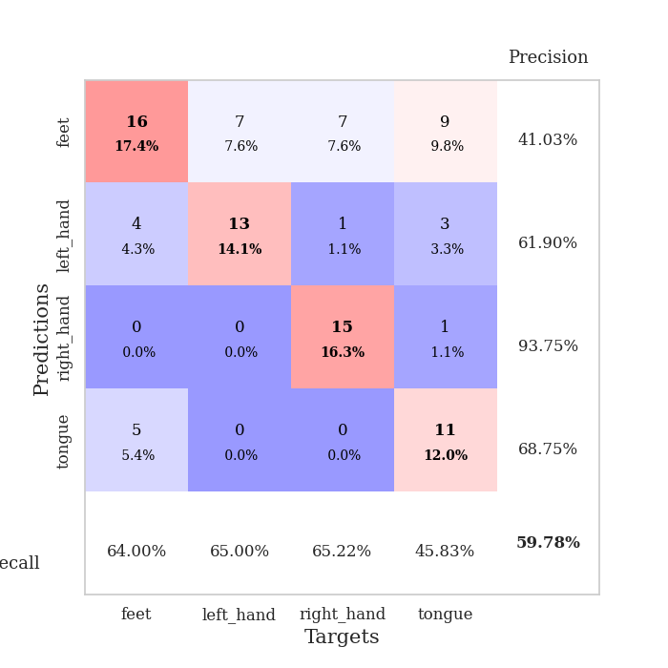
1.0936121992 | 1.277454454 | 0.25543478261 | 0.21739130435 | 0.21323108673 | 25.543478261 | 21.739130435
1.0369113813 | 1.2331462995 | 0.2527173913 | 0.26086956522 | 0.20861721039 | 25.27173913 | 26.086956522
1.0807361629 | 1.1709031022 | 0.50815217391 | 0.47826086957 | 0.21170425415 | 50.815217391 | 47.826086957
1.0830141073 | 1.1545856414 | 0.4972826087 | 0.48913043478 | 0.21230697632 | 49.72826087 | 48.913043478
1.0859738122 | 1.1606254837 | 0.75 | 0.75 | 0.21145415306 | 75 | 75
0.98849737644 | 1.949569189 | 0.2527173913 | 0.26086956522 | 0.21001577377 | 25.27173913 | 26.086956522
0.99925540323 | 2.3912218343 | 0.2527173913 | 0.26086956522 | 0.21183180809 | 25.27173913 | 26.086956522
1.0845152969 | 2.1180359073 | 0.2527173913 | 0.26086956522 | 0.21232318878 | 25.27173913 | 26.086956522
1.0417837915 | 2.0035698673 | 0.2527173913 | 0.26086956522 | 0.21107435226 | 25.27173913 | 26.086956522
1.04016693 | 1.6308888352 | 0.2527173913 | 0.26086956522 | 0.20963907242 | 25.27173913 | 26.086956522
1.0265946621 | 2.6587769778 | 0.2527173913 | 0.26086956522 | 0.21127200127 | 25.27173913 | 26.086956522
1.0019329657 | 3.6941475972 | 0.2527173913 | 0.26086956522 | 0.21215581894 | 25.27173913 | 26.086956522
1.0642314553 | 3.601475498 | 0.2527173913 | 0.26086956522 | 0.21129393578 | 25.27173913 | 26.086956522
0.96249193212 | 3.9304594061 | 0.2527173913 | 0.26086956522 | 0.21139168739 | 25.27173913 | 26.086956522
0.99962635403 | 4.0953251694 | 0.2527173913 | 0.26086956522 | 0.21118998528 | 25.27173913 | 26.086956522
0.95214054895 | 3.4029334524 | 0.2527173913 | 0.26086956522 | 0.21106553078 | 25.27173913 | 26.086956522
0.97349849732 | 2.8655314342 | 0.2527173913 | 0.26086956522 | 0.20950746536 | 25.27173913 | 26.086956522
1.0024054232 | 2.369823715 | 0.2527173913 | 0.26086956522 | 0.21099638939 | 25.27173913 | 26.086956522
0.89363913692 | 2.8159170151 | 0.2527173913 | 0.26086956522 | 0.2114944458 | 25.27173913 | 26.086956522
1.0206230801 | 1.3922034761 | 0.2527173913 | 0.26086956522 | 0.21063256264 | 25.27173913 | 26.086956522
0.92494163565 | 1.0883224373 | 0.50815217391 | 0.47826086957 | 0.21145915985 | 50.815217391 | 47.826086957
0.97879041019 | 1.2204726623 | 0.2527173913 | 0.26086956522 | 0.21111536026 | 25.27173913 | 26.086956522
0.95353113568 | 1.3735608277 | 0.2527173913 | 0.26086956522 | 0.21434688568 | 25.27173913 | 26.086956522
0.95373886565 | 2.3691406146 | 0.2527173913 | 0.26086956522 | 0.21333575249 | 25.27173913 | 26.086956522
0.8856710351 | 1.8224662905 | 0.2527173913 | 0.26086956522 | 0.21100187302 | 25.27173913 | 26.086956522
0.92352611863 | 1.7020086361 | 0.2527173913 | 0.26086956522 | 0.21004366875 | 25.27173913 | 26.086956522
0.8623620479 | 1.0770439946 | 0.50815217391 | 0.47826086957 | 0.21152710915 | 50.815217391 | 47.826086957
0.98655679952 | 0.95310331687 | 0.50815217391 | 0.47826086957 | 0.2119448185 | 50.815217391 | 47.826086957
0.95311900066 | 0.88173289144 | 0.76086956522 | 0.72826086957 | 0.21053934097 | 76.086956522 | 72.826086957
0.94158424761 | 0.90104059292 | 0.53804347826 | 0.55434782609 | 0.20993685722 | 53.804347826 | 55.434782609
0.92373245955 | 0.98469911969 | 0.25543478261 | 0.21739130435 | 0.21222829819 | 25.543478261 | 21.739130435
0.92312700852 | 1.0843978084 | 0.25543478261 | 0.21739130435 | 0.21021747589 | 25.543478261 | 21.739130435

Best Val accuracy is 0.75 and Best test accuracy is 0.75

Sheet5
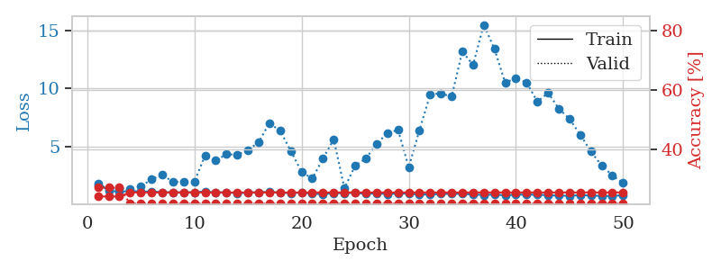
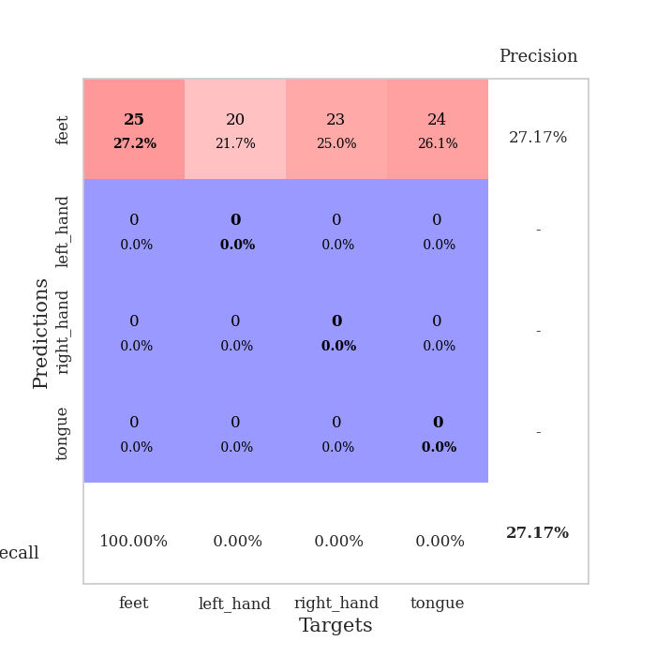
train_loss | valid_loss | train_accuracy | valid_accuracy | dur | train_misclass | valid_misclass
3.1952267419 | 5.3827422183 | 0.25815217391 | 0.26086956522 | 0.082777738571 | 25.815217391 | 26.086956522
1.416642316 | 5.7593322215 | 0.2527173913 | 0.26086956522 | 0.085533857346 | 25.27173913 | 26.086956522
1.2795358637 | 2.384586723 | 0.33423913043 | 0.32608695652 | 0.082506656647 | 33.423913043 | 32.608695652
1.1481030428 | 1.7357016024 | 0.51086956522 | 0.41304347826 | 0.082608222961 | 51.086956522 | 41.304347826
1.101027709 | 1.9331159125 | 0.5 | 0.38043478261 | 0.081574201584 | 50 | 38.043478261
0.93918761481 | 1.4033394326 | 0.70923913043 | 0.45652173913 | 0.081181526184 | 70.923913043 | 45.652173913
0.84025254457 | 1.3340886754 | 0.76358695652 | 0.54347826087 | 0.081944465637 | 76.358695652 | 54.347826087
0.78824736113 | 1.2045892529 | 0.80163043478 | 0.52173913043 | 0.08241724968 | 80.163043478 | 52.173913043
0.67655681268 | 1.0864661232 | 0.86413043478 | 0.54347826087 | 0.082800149918 | 86.413043478 | 54.347826087
0.61874183883 | 1.1598206007 | 0.83152173913 | 0.53260869565 | 0.081505775452 | 83.152173913 | 53.260869565
0.6224931634 | 1.1706942372 | 0.83152173913 | 0.53260869565 | 0.08128619194 | 83.152173913 | 53.260869565
0.61405735366 | 1.1367048284 | 0.83695652174 | 0.52173913043 | 0.081407308578 | 83.695652174 | 52.173913043
0.62689852067 | 1.5403208888 | 0.70923913043 | 0.45652173913 | 0.081409931183 | 70.923913043 | 45.652173913
0.57055670476 | 1.2005894391 | 0.84510869565 | 0.53260869565 | 0.081192731857 | 84.510869565 | 53.260869565
0.59292781612 | 1.1847511634 | 0.82065217391 | 0.52173913043 | 0.081296920776 | 82.065217391 | 52.173913043
0.51658926192 | 1.2844451459 | 0.80706521739 | 0.53260869565 | 0.081648588181 | 80.706521739 | 53.260869565
0.45949660566 | 1.3391903535 | 0.79891304348 | 0.5 | 0.08142209053 | 79.891304348 | 50
0.40223753776 | 1.4235909348 | 0.78260869565 | 0.53260869565 | 0.081676006317 | 78.260869565 | 53.260869565
0.4160456016 | 1.3571624704 | 0.79891304348 | 0.51086956522 | 0.08149766922 | 79.891304348 | 51.086956522
0.4360572754 | 1.2446117401 | 0.86956521739 | 0.52173913043 | 0.081444978714 | 86.956521739 | 52.173913043
0.37601632625 | 1.1031551594 | 0.91576086957 | 0.54347826087 | 0.081796884537 | 91.576086957 | 54.347826087
0.39892294938 | 1.1716464525 | 0.89945652174 | 0.53260869565 | 0.081313848495 | 89.945652174 | 53.260869565
0.35759750397 | 1.2041557224 | 0.89402173913 | 0.51086956522 | 0.081378221512 | 89.402173913 | 51.086956522
0.32780446242 | 1.1852562739 | 0.90489130435 | 0.55434782609 | 0.081494808197 | 90.489130435 | 55.434782609
0.29352505894 | 1.3539397354 | 0.85326086957 | 0.51086956522 | 0.081795930862 | 85.326086957 | 51.086956522
0.32174622656 | 1.486526142 | 0.82336956522 | 0.52173913043 | 0.081607818604 | 82.336956522 | 52.173913043
0.3092113824 | 1.2098170441 | 0.92119565217 | 0.53260869565 | 0.081350803375 | 92.119565217 | 53.260869565
0.33889673796 | 1.3072868275 | 0.86413043478 | 0.5 | 0.081348657608 | 86.413043478 | 50
0.30695592418 | 1.3566588319 | 0.8722826087 | 0.51086956522 | 0.081586837769 | 87.22826087 | 51.086956522
0.30727647391 | 1.3276245594 | 0.8777173913 | 0.53260869565 | 0.082271814346 | 87.77173913 | 53.260869565
0.24874541779 | 1.3792286697 | 0.86684782609 | 0.51086956522 | 0.081458568573 | 86.684782609 | 51.086956522
0.2707070096 | 1.4881764858 | 0.85597826087 | 0.48913043478 | 0.081224441528 | 85.597826087 | 48.913043478
0.28152999266 | 1.3612931345 | 0.85054347826 | 0.47826086957 | 0.08176612854 | 85.054347826 | 47.826086957
0.23901480695 | 1.3971984749 | 0.85869565217 | 0.47826086957 | 0.081686496735 | 85.869565217 | 47.826086957
0.22216387595 | 1.3706118853 | 0.88043478261 | 0.5 | 0.082221508026 | 88.043478261 | 50
0.26954737565 | 1.3946607942 | 0.875 | 0.47826086957 | 0.081912755966 | 87.5 | 47.826086957
0.22950228449 | 1.4178207154 | 0.8722826087 | 0.5 | 0.08198428154 | 87.22826087 | 50
0.27865117821 | 1.3929661512 | 0.86956521739 | 0.48913043478 | 0.081745624542 | 86.956521739 | 48.913043478
0.22398004681 | 1.3352011831 | 0.89402173913 | 0.51086956522 | 0.082366228104 | 89.402173913 | 51.086956522
0.21332456285 | 1.4108755485 | 0.86413043478 | 0.47826086957 | 0.082277059555 | 86.413043478 | 47.826086957
0.25076974475 | 1.3999283728 | 0.86684782609 | 0.47826086957 | 0.081698656082 | 86.684782609 | 47.826086957
0.19000745662 | 1.3398798911 | 0.89130434783 | 0.5 | 0.081780433655 | 89.130434783 | 50
0.22471115787 | 1.3326864035 | 0.89673913043 | 0.5 | 0.081763982773 | 89.673913043 | 50
0.21337954635 | 1.3438149742 | 0.88315217391 | 0.48913043478 | 0.081615209579 | 88.315217391 | 48.913043478
0.18067259358 | 1.3321524573 | 0.90217391304 | 0.5 | 0.081758737564 | 90.217391304 | 50
0.19073698119 | 1.3330111996 | 0.90217391304 | 0.5 | 0.08200097084 | 90.217391304 | 50
0.19927854156 | 1.3298772392 | 0.90489130435 | 0.5 | 0.081900596619 | 90.489130435 | 50
0.21349589559 | 1.3281376025 | 0.90489130435 | 0.5 | 0.081875801086 | 90.489130435 | 50
0.20259457632 | 1.3257787254 | 0.90489130435 | 0.5 | 0.081742048264 | 90.489130435 | 50
0.17600986038 | 1.3242393136 | 0.90489130435 | 0.5 | 0.081756353378 | 90.489130435 | 50

Best Val accuracy is 0.5543478260869565 and Best test accuracy is 0.5948275862068966
train_loss | valid_loss | train_accuracy | valid_accuracy | dur | train_misclass | valid_misclass
1.8483502295 | 1.7124331308 | 0.24184782609 | 0.27173913043 | 0.2095117569 | 24.184782609 | 27.173913043
1.2319444651 | 1.4131952317 | 0.24184782609 | 0.27173913043 | 0.21076774597 | 24.184782609 | 27.173913043
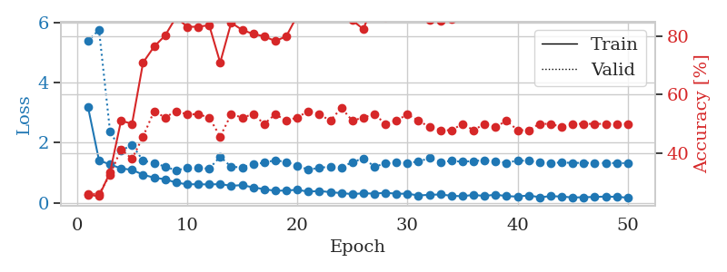
1.1271337323 | 1.4113724491 | 0.24184782609 | 0.27173913043 | 0.21296834946 | 24.184782609 | 27.173913043
1.1929688739 | 1.3831230713 | 0.25543478261 | 0.21739130435 | 0.21316719055 | 25.543478261 | 21.739130435
1.1422089649 | 1.5940929496 | 0.25543478261 | 0.21739130435 | 0.21194791794 | 25.543478261 | 21.739130435
1.1526723141 | 2.182820372 | 0.25543478261 | 0.21739130435 | 0.21282744408 | 25.543478261 | 21.739130435
1.0926099368 | 2.5968420195 | 0.25543478261 | 0.21739130435 | 0.21128606796 | 25.543478261 | 21.739130435
1.0840967194 | 1.9659657789 | 0.25543478261 | 0.21739130435 | 0.21252512932 | 25.543478261 | 21.739130435
1.080703795 | 2.0026097401 | 0.25543478261 | 0.21739130435 | 0.21144795418 | 25.543478261 | 21.739130435
1.0877656496 | 1.9801841456 | 0.25543478261 | 0.21739130435 | 0.21454739571 | 25.543478261 | 21.739130435
1.1431176481 | 4.2578974392 | 0.25543478261 | 0.21739130435 | 0.21104669571 | 25.543478261 | 21.739130435
1.0606737629 | 3.8259962538 | 0.25543478261 | 0.21739130435 | 0.21225333214 | 25.543478261 | 21.739130435
1.0910967744 | 4.3472624654 | 0.25543478261 | 0.21739130435 | 0.21037960052 | 25.543478261 | 21.739130435
0.99688691419 | 4.3174072141 | 0.25543478261 | 0.21739130435 | 0.21100735664 | 25.543478261 | 21.739130435
1.0531765896 | 4.7047726797 | 0.25543478261 | 0.21739130435 | 0.20997309685 | 25.543478261 | 21.739130435
1.0916821024 | 5.3988575313 | 0.25543478261 | 0.21739130435 | 0.21054077148 | 25.543478261 | 21.739130435
1.1024370504 | 7.0302655593 | 0.25543478261 | 0.21739130435 | 0.2101764679 | 25.543478261 | 21.739130435
1.0706584505 | 6.3715666273 | 0.25543478261 | 0.21739130435 | 0.20902824402 | 25.543478261 | 21.739130435
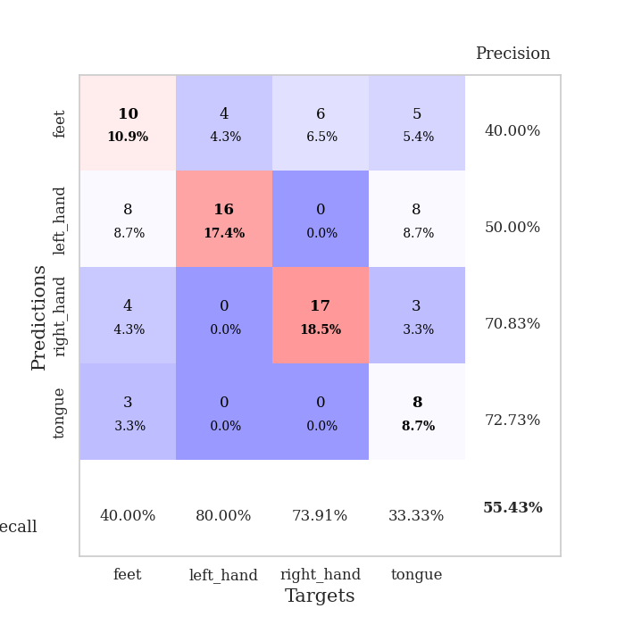
0.99647593498 | 4.6337638109 | 0.25543478261 | 0.21739130435 | 0.21114802361 | 25.543478261 | 21.739130435
1.0681334216 | 2.8393382922 | 0.25543478261 | 0.21739130435 | 0.20674514771 | 25.543478261 | 21.739130435
0.95179084591 | 2.2612269858 | 0.25543478261 | 0.21739130435 | 0.21028089523 | 25.543478261 | 21.739130435
0.92688409401 | 3.9743807627 | 0.25543478261 | 0.21739130435 | 0.21100783348 | 25.543478261 | 21.739130435
1.0018073087 | 5.6392522895 | 0.25543478261 | 0.21739130435 | 0.21012473106 | 25.543478261 | 21.739130435
1.0101077323 | 1.435256704 | 0.25543478261 | 0.21739130435 | 0.2111530304 | 25.543478261 | 21.739130435
1.0313773933 | 3.3654222488 | 0.25543478261 | 0.21739130435 | 0.20838308334 | 25.543478261 | 21.739130435
0.94350282265 | 3.9928929287 | 0.25543478261 | 0.21739130435 | 0.20813679695 | 25.543478261 | 21.739130435
0.99005397766 | 5.2166349784 | 0.25543478261 | 0.21739130435 | 0.211373806 | 25.543478261 | 21.739130435
0.93447365968 | 6.1853160236 | 0.25543478261 | 0.21739130435 | 0.20953226089 | 25.543478261 | 21.739130435
0.96780380477 | 6.4434815904 | 0.25543478261 | 0.21739130435 | 0.20909142494 | 25.543478261 | 21.739130435
0.97017756234 | 3.2459407475 | 0.25543478261 | 0.21739130435 | 0.2107527256 | 25.543478261 | 21.739130435
0.8856800665 | 6.4331470158 | 0.25543478261 | 0.21739130435 | 0.21270751953 | 25.543478261 | 21.739130435
0.88840586206 | 9.4859783338 | 0.25543478261 | 0.21739130435 | 0.20972847939 | 25.543478261 | 21.739130435
0.94032722193 | 9.5962380534 | 0.25543478261 | 0.21739130435 | 0.21162867546 | 25.543478261 | 21.739130435
0.94972266062 | 9.3017916057 | 0.25543478261 | 0.21739130435 | 0.21041512489 | 25.543478261 | 21.739130435
0.94771812791 | 13.212643457 | 0.25543478261 | 0.21739130435 | 0.21005582809 | 25.543478261 | 21.739130435
0.88824466519 | 12.024354147 | 0.25543478261 | 0.21739130435 | 0.20990467072 | 25.543478261 | 21.739130435
0.84850478172 | 15.495861219 | 0.25543478261 | 0.21739130435 | 0.2105050087 | 25.543478261 | 21.739130435
0.88362985331 | 13.41091355 | 0.25543478261 | 0.21739130435 | 0.21227025986 | 25.543478261 | 21.739130435
0.82265268201 | 10.49442113 | 0.25543478261 | 0.21739130435 | 0.21188616753 | 25.543478261 | 21.739130435
0.87082645167 | 10.924704635 | 0.25543478261 | 0.21739130435 | 0.21327400208 | 25.543478261 | 21.739130435
0.88462697164 | 10.529870697 | 0.25543478261 | 0.21739130435 | 0.21166419983 | 25.543478261 | 21.739130435
0.86216069045 | 8.8736926784 | 0.25543478261 | 0.21739130435 | 0.21258020401 | 25.543478261 | 21.739130435
0.83247613389 | 9.6370041889 | 0.25543478261 | 0.21739130435 | 0.21196460724 | 25.543478261 | 21.739130435
0.79235319988 | 8.2885057615 | 0.25543478261 | 0.21739130435 | 0.21371626854 | 25.543478261 | 21.739130435
0.77773736353 | 7.3879621962 | 0.25543478261 | 0.21739130435 | 0.21167707443 | 25.543478261 | 21.739130435
0.83316493553 | 6.0453544078 | 0.25543478261 | 0.21739130435 | 0.21160244942 | 25.543478261 | 21.739130435
0.8085074036 | 4.5850261191 | 0.25543478261 | 0.21739130435 | 0.21090459824 | 25.543478261 | 21.739130435
0.76706131256 | 3.3791337221 | 0.25543478261 | 0.21739130435 | 0.21255898476 | 25.543478261 | 21.739130435
0.76479077857 | 2.5279979084 | 0.25543478261 | 0.21739130435 | 0.2097454071 | 25.543478261 | 21.739130435
0.83353904667 | 1.8696719926 | 0.25543478261 | 0.21739130435 | 0.20943593979 | 25.543478261 | 21.739130435

Best Val accuracy is 0.2717391304347826 and Best test accuracy is 0.25862068965517243

Sheet6
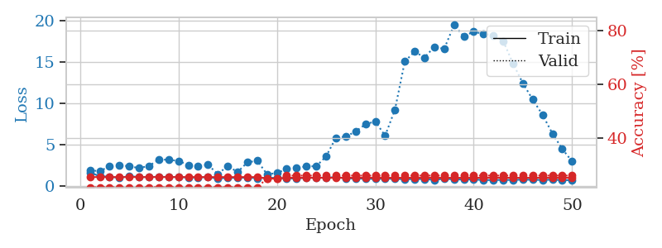
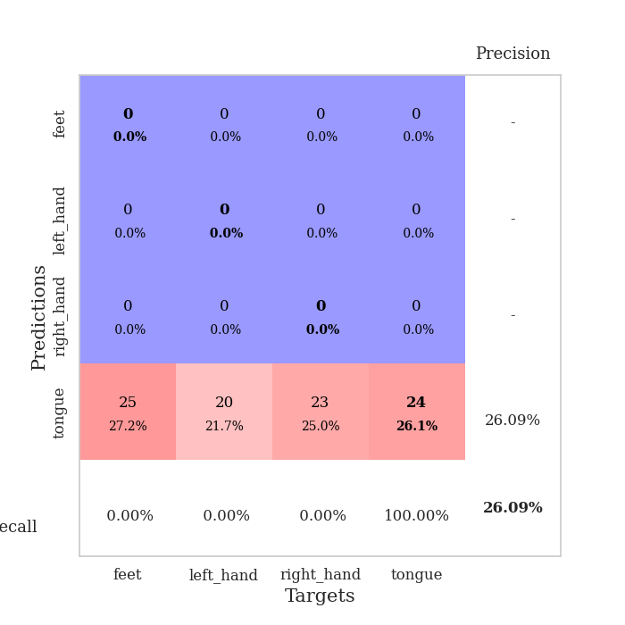
train_loss | valid_loss | train_accuracy | valid_accuracy | dur | train_misclass | valid_misclass
3.43512674 | 8.4049080558 | 0.2527173913 | 0.26086956522 | 0.08718752861 | 25.27173913 | 26.086956522
1.7143641762 | 4.6400503801 | 0.26086956522 | 0.26086956522 | 0.082169771194 | 26.086956522 | 26.086956522
1.2835198382 | 2.0845442855 | 0.36141304348 | 0.32608695652 | 0.081191778183 | 36.141304348 | 32.608695652
1.2024168424 | 1.7168275014 | 0.49456521739 | 0.41304347826 | 0.081745147705 | 49.456521739 | 41.304347826
1.1399360429 | 1.4817499389 | 0.60054347826 | 0.35869565217 | 0.081685304642 | 60.054347826 | 35.869565217
1.0772365047 | 1.458890267 | 0.67663043478 | 0.38043478261 | 0.081482172012 | 67.663043478 | 38.043478261
1.0339514509 | 1.4259796402 | 0.67391304348 | 0.40217391304 | 0.081497430801 | 67.391304348 | 40.217391304
0.96037372558 | 1.3985673448 | 0.74456521739 | 0.32608695652 | 0.081435441971 | 74.456521739 | 32.608695652
0.8481375601 | 1.3463138135 | 0.76086956522 | 0.38043478261 | 0.081341505051 | 76.086956522 | 38.043478261
0.81696700402 | 1.4053537068 | 0.77173913043 | 0.40217391304 | 0.081625699997 | 77.173913043 | 40.217391304
0.75867035467 | 1.5658276962 | 0.72282608696 | 0.38043478261 | 0.081325531006 | 72.282608696 | 38.043478261
0.63569789995 | 1.3515828122 | 0.82065217391 | 0.39130434783 | 0.081084489822 | 82.065217391 | 39.130434783
0.6443446758 | 1.4139369001 | 0.80163043478 | 0.40217391304 | 0.081609964371 | 80.163043478 | 40.217391304
0.69937324783 | 1.4384957863 | 0.81793478261 | 0.41304347826 | 0.081390142441 | 81.793478261 | 41.304347826
0.62056065124 | 1.7636793178 | 0.72010869565 | 0.41304347826 | 0.0814204216 | 72.010869565 | 41.304347826
0.50707006908 | 1.3880844894 | 0.84239130435 | 0.40217391304 | 0.081615209579 | 84.239130435 | 40.217391304
0.55275793309 | 1.4541727201 | 0.84239130435 | 0.45652173913 | 0.081337928772 | 84.239130435 | 45.652173913
0.48958840966 | 1.2123902207 | 0.8777173913 | 0.42391304348 | 0.082054615021 | 87.77173913 | 42.391304348
0.54324059771 | 1.3227917837 | 0.88586956522 | 0.4347826087 | 0.081862211227 | 88.586956522 | 43.47826087
0.48409445325 | 1.4865166882 | 0.83695652174 | 0.42391304348 | 0.081658363342 | 83.695652174 | 42.391304348
0.45782171514 | 1.3151830642 | 0.89130434783 | 0.39130434783 | 0.081620454788 | 89.130434783 | 39.130434783
0.40652910588 | 1.4373930434 | 0.8722826087 | 0.41304347826 | 0.081822633743 | 87.22826087 | 41.304347826
0.43504489181 | 1.4100889175 | 0.88043478261 | 0.40217391304 | 0.081849575043 | 88.043478261 | 40.217391304
0.40192214043 | 1.3914260087 | 0.89673913043 | 0.42391304348 | 0.081984519958 | 89.673913043 | 42.391304348
0.32825886491 | 1.4329202279 | 0.875 | 0.45652173913 | 0.081947565079 | 87.5 | 45.652173913
0.38106990962 | 1.32485398 | 0.875 | 0.40217391304 | 0.082182645798 | 87.5 | 40.217391304
0.32077010235 | 1.4673462899 | 0.8777173913 | 0.44565217391 | 0.081641674042 | 87.77173913 | 44.565217391
0.40236638357 | 1.2453373982 | 0.92663043478 | 0.41304347826 | 0.081831216812 | 92.663043478 | 41.304347826
0.37395881181 | 1.3435914257 | 0.92119565217 | 0.47826086957 | 0.081810474396 | 92.119565217 | 47.826086957
0.31187929213 | 1.3122863303 | 0.9402173913 | 0.4347826087 | 0.085865259171 | 94.02173913 | 43.47826087
0.31533389603 | 1.3543807475 | 0.93206521739 | 0.47826086957 | 0.08126282692 | 93.206521739 | 47.826086957
0.27585486938 | 1.3191511165 | 0.92119565217 | 0.47826086957 | 0.08133649826 | 92.119565217 | 47.826086957
0.30140196111 | 1.3423450822 | 0.91304347826 | 0.46739130435 | 0.082131624222 | 91.304347826 | 46.739130435
0.32145162801 | 1.2888752118 | 0.92934782609 | 0.45652173913 | 0.081842899323 | 92.934782609 | 45.652173913
0.26628277159 | 1.2777207986 | 0.9402173913 | 0.47826086957 | 0.082007884979 | 94.02173913 | 47.826086957
0.24088271562 | 1.3377270958 | 0.93206521739 | 0.45652173913 | 0.081830739975 | 93.206521739 | 45.652173913
0.27442050401 | 1.35004806 | 0.93206521739 | 0.47826086957 | 0.082072257996 | 93.206521739 | 47.826086957
0.25040028341 | 1.3278616667 | 0.92934782609 | 0.46739130435 | 0.081998586655 | 92.934782609 | 46.739130435
0.28300944716 | 1.3381858287 | 0.9402173913 | 0.47826086957 | 0.081809520721 | 94.02173913 | 47.826086957
0.24373839763 | 1.3482283768 | 0.9375 | 0.46739130435 | 0.082112312317 | 93.75 | 46.739130435
0.2397842106 | 1.3150554273 | 0.94293478261 | 0.46739130435 | 0.083087205887 | 94.293478261 | 46.739130435
0.27894294877 | 1.3073776753 | 0.94293478261 | 0.45652173913 | 0.082361459732 | 94.293478261 | 45.652173913
0.25312740453 | 1.3095044105 | 0.94836956522 | 0.44565217391 | 0.082271814346 | 94.836956522 | 44.565217391
0.27942814808 | 1.3250599478 | 0.9402173913 | 0.44565217391 | 0.081947803497 | 94.02173913 | 44.565217391
0.21278599099 | 1.3234990524 | 0.94293478261 | 0.46739130435 | 0.081773042679 | 94.293478261 | 46.739130435
0.26246735567 | 1.319691373 | 0.94565217391 | 0.44565217391 | 0.082300662994 | 94.565217391 | 44.565217391
0.22017729461 | 1.318293473 | 0.94565217391 | 0.45652173913 | 0.082129478455 | 94.565217391 | 45.652173913
0.2191717534 | 1.3183094056 | 0.94565217391 | 0.45652173913 | 0.08177447319 | 94.565217391 | 45.652173913
0.25055888085 | 1.3167875694 | 0.94565217391 | 0.45652173913 | 0.082049846649 | 94.565217391 | 45.652173913
0.2358646963 | 1.3152511794 | 0.94565217391 | 0.45652173913 | 0.082055091858 | 94.565217391 | 45.652173913

Best Val accuracy is 0.4782608695652174 and Best test accuracy is 0.5517241379310345
train_loss | valid_loss | train_accuracy | valid_accuracy | dur | train_misclass | valid_misclass
1.6593748487 | 1.9023638497 | 0.25543478261 | 0.21739130435 | 0.2086482048 | 25.543478261 | 21.739130435
1.199308569 | 1.8176255071 | 0.25543478261 | 0.21739130435 | 0.21407222748 | 25.543478261 | 21.739130435
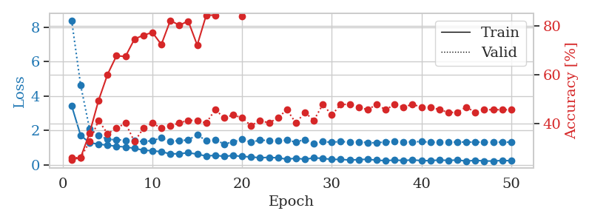
1.1522908522 | 2.3868542547 | 0.25543478261 | 0.21739130435 | 0.21102428436 | 25.543478261 | 21.739130435
1.0010890961 | 2.5467230444 | 0.25543478261 | 0.21739130435 | 0.21072030067 | 25.543478261 | 21.739130435
1.2164458088 | 2.394107518 | 0.25543478261 | 0.21739130435 | 0.2096786499 | 25.543478261 | 21.739130435
1.0987986456 | 2.1880133774 | 0.25543478261 | 0.21739130435 | 0.21194052696 | 25.543478261 | 21.739130435
1.1004898133 | 2.4379009164 | 0.25543478261 | 0.21739130435 | 0.21010255814 | 25.543478261 | 21.739130435
1.1394427911 | 3.204005117 | 0.25543478261 | 0.21739130435 | 0.21353936195 | 25.543478261 | 21.739130435
1.1114601674 | 3.192179711 | 0.25543478261 | 0.21739130435 | 0.21143507957 | 25.543478261 | 21.739130435
1.1051117234 | 3.0411248518 | 0.25543478261 | 0.21739130435 | 0.21139717102 | 25.543478261 | 21.739130435
1.0432797282 | 2.561776099 | 0.25543478261 | 0.21739130435 | 0.21037864685 | 25.543478261 | 21.739130435
1.0641373655 | 2.4449677986 | 0.25543478261 | 0.21739130435 | 0.21306991577 | 25.543478261 | 21.739130435
1.0822696142 | 2.5844561846 | 0.25543478261 | 0.21739130435 | 0.21202993393 | 25.543478261 | 21.739130435
0.92966325387 | 1.4524814564 | 0.25543478261 | 0.21739130435 | 0.21200752258 | 25.543478261 | 21.739130435
1.0118606402 | 2.4440001612 | 0.25543478261 | 0.21739130435 | 0.21123218536 | 25.543478261 | 21.739130435
1.0013932793 | 1.7064784662 | 0.25543478261 | 0.21739130435 | 0.21491217613 | 25.543478261 | 21.739130435
1.041541509 | 2.8629442402 | 0.25543478261 | 0.21739130435 | 0.2125749588 | 25.543478261 | 21.739130435
0.96801303262 | 3.0747688957 | 0.25543478261 | 0.21739130435 | 0.21242451668 | 25.543478261 | 21.739130435
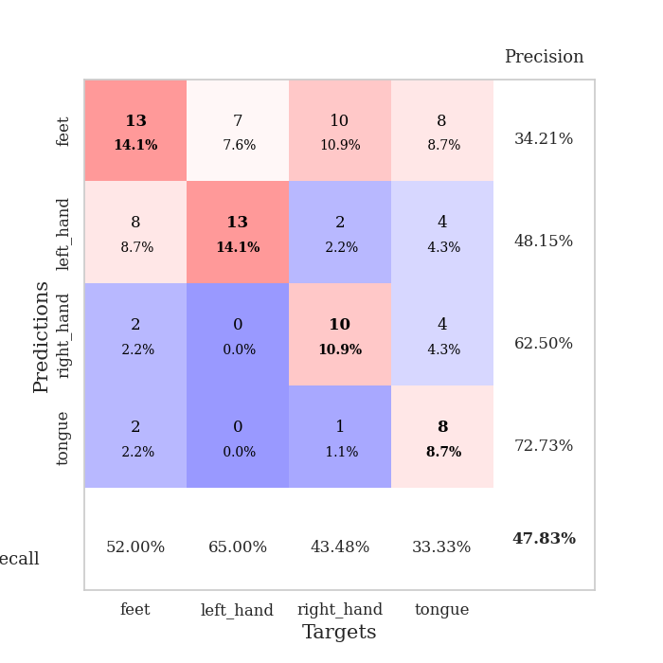
1.0254384227 | 1.4490540079 | 0.25 | 0.25 | 0.21136140823 | 25 | 25
0.99364594014 | 1.5682860665 | 0.25 | 0.25 | 0.21100616455 | 25 | 25
0.95000235412 | 2.091043182 | 0.2527173913 | 0.26086956522 | 0.20898270607 | 25.27173913 | 26.086956522
0.91947269958 | 2.1675322678 | 0.2527173913 | 0.26086956522 | 0.21299624443 | 25.27173913 | 26.086956522
1.0313431128 | 2.3934741953 | 0.2527173913 | 0.26086956522 | 0.20847415924 | 25.27173913 | 26.086956522
0.99917582066 | 2.4042634135 | 0.2527173913 | 0.26086956522 | 0.21145033836 | 25.27173913 | 26.086956522
1.0465442331 | 3.5858459162 | 0.2527173913 | 0.26086956522 | 0.21357297897 | 25.27173913 | 26.086956522
1.0765771088 | 5.8415272547 | 0.2527173913 | 0.26086956522 | 0.21241831779 | 25.27173913 | 26.086956522
0.9526922936 | 5.9765217201 | 0.2527173913 | 0.26086956522 | 0.21211647987 | 25.27173913 | 26.086956522
0.92508380569 | 6.5938965341 | 0.2527173913 | 0.26086956522 | 0.21403288841 | 25.27173913 | 26.086956522
0.90701042051 | 7.4584062825 | 0.2527173913 | 0.26086956522 | 0.21544742584 | 25.27173913 | 26.086956522
0.87165684545 | 7.8115986326 | 0.2527173913 | 0.26086956522 | 0.21247291565 | 25.27173913 | 26.086956522
0.91182493775 | 6.0846690302 | 0.2527173913 | 0.26086956522 | 0.21587872505 | 25.27173913 | 26.086956522
0.8748357594 | 9.2263325401 | 0.2527173913 | 0.26086956522 | 0.20473957062 | 25.27173913 | 26.086956522
0.84360526437 | 15.046116746 | 0.2527173913 | 0.26086956522 | 0.21122717857 | 25.27173913 | 26.086956522
0.85454968266 | 16.224709511 | 0.2527173913 | 0.26086956522 | 0.21156382561 | 25.27173913 | 26.086956522
0.86424467615 | 15.512090144 | 0.2527173913 | 0.26086956522 | 0.21083402634 | 25.27173913 | 26.086956522
0.7545254075 | 16.798801215 | 0.2527173913 | 0.26086956522 | 0.21291851997 | 25.27173913 | 26.086956522
0.90784842035 | 16.549398712 | 0.2527173913 | 0.26086956522 | 0.21020627022 | 25.27173913 | 26.086956522
0.81323067002 | 19.418736582 | 0.2527173913 | 0.26086956522 | 0.21177148819 | 25.27173913 | 26.086956522
0.80422007778 | 18.085251518 | 0.2527173913 | 0.26086956522 | 0.21155738831 | 25.27173913 | 26.086956522
0.81641071776 | 18.631728545 | 0.2527173913 | 0.26086956522 | 0.21093344688 | 25.27173913 | 26.086956522
0.73749093387 | 18.351670224 | 0.2527173913 | 0.26086956522 | 0.21439933777 | 25.27173913 | 26.086956522
0.74907799519 | 18.193485343 | 0.2527173913 | 0.26086956522 | 0.21013140678 | 25.27173913 | 26.086956522
0.75862754557 | 17.50659669 | 0.2527173913 | 0.26086956522 | 0.21060323715 | 25.27173913 | 26.086956522
0.75673191962 | 14.783110909 | 0.2527173913 | 0.26086956522 | 0.21261000633 | 25.27173913 | 26.086956522
0.79635637221 | 12.403221794 | 0.2527173913 | 0.26086956522 | 0.2119204998 | 25.27173913 | 26.086956522
0.77299535793 | 10.440325115 | 0.2527173913 | 0.26086956522 | 0.21572542191 | 25.27173913 | 26.086956522
0.75392625513 | 8.598095728 | 0.2527173913 | 0.26086956522 | 0.20801711082 | 25.27173913 | 26.086956522
0.79108056944 | 6.3511297184 | 0.2527173913 | 0.26086956522 | 0.21557593346 | 25.27173913 | 26.086956522
0.73166322708 | 4.4942554598 | 0.2527173913 | 0.26086956522 | 0.213326931 | 25.27173913 | 26.086956522
0.73342861948 | 2.9842848259 | 0.2527173913 | 0.26086956522 | 0.21266222 | 25.27173913 | 26.086956522

Best Val accuracy is 0.2608695652173913 and Best test accuracy is 0.23275862068965517

Sheet7
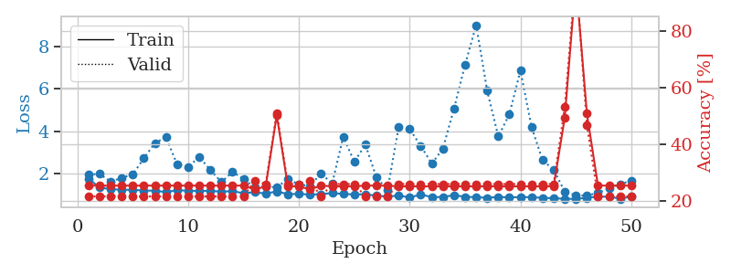
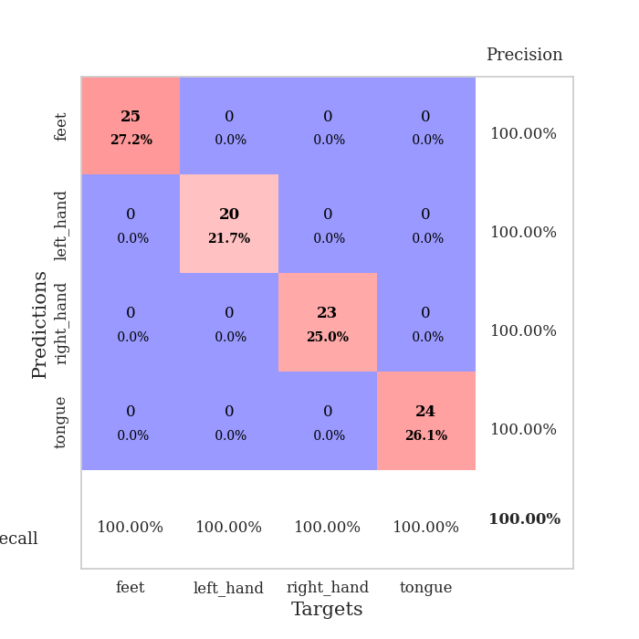
train_loss | valid_loss | train_accuracy | valid_accuracy | dur | train_misclass | valid_misclass
3.4627733023 | 2.2237218411 | 0.27173913043 | 0.29347826087 | 0.082447052002 | 27.173913043 | 29.347826087
1.5544231456 | 2.9565423157 | 0.25543478261 | 0.26086956522 | 0.081203937531 | 25.543478261 | 26.086956522
1.2963780657 | 2.0930205843 | 0.27445652174 | 0.27173913043 | 0.080428123474 | 27.445652174 | 27.173913043
1.012809826 | 2.0887705761 | 0.31793478261 | 0.3152173913 | 0.080435037613 | 31.793478261 | 31.52173913
0.94007715712 | 1.1594334504 | 0.72826086957 | 0.5652173913 | 0.080743789673 | 72.826086957 | 56.52173913
0.82201348958 | 1.1209356526 | 0.75543478261 | 0.5652173913 | 0.081152200699 | 75.543478261 | 56.52173913
0.77208957076 | 1.1405666108 | 0.7472826087 | 0.53260869565 | 0.080673694611 | 74.72826087 | 53.260869565
0.69543073359 | 1.0692570417 | 0.76902173913 | 0.57608695652 | 0.080557584763 | 76.902173913 | 57.608695652
0.66219669451 | 1.0039532884 | 0.83152173913 | 0.58695652174 | 0.080702543259 | 83.152173913 | 58.695652174
0.65392562617 | 1.0681720817 | 0.76630434783 | 0.57608695652 | 0.080832004547 | 76.630434783 | 57.608695652
0.63079676421 | 1.033979136 | 0.875 | 0.61956521739 | 0.081033706665 | 87.5 | 61.956521739
0.61438517726 | 0.97922758175 | 0.86413043478 | 0.57608695652 | 0.080933094025 | 86.413043478 | 57.608695652
0.5757806178 | 0.99093152388 | 0.88858695652 | 0.61956521739 | 0.080438613892 | 88.858695652 | 61.956521739
0.54895502329 | 1.1526795367 | 0.88315217391 | 0.53260869565 | 0.08110833168 | 88.315217391 | 53.260869565
0.51575966762 | 1.1814878453 | 0.86956521739 | 0.5 | 0.081178665161 | 86.956521739 | 50
0.4703348266 | 1.3201890769 | 0.88315217391 | 0.53260869565 | 0.080947399139 | 88.315217391 | 53.260869565
0.47361766839 | 1.1156419775 | 0.91576086957 | 0.63043478261 | 0.080924749374 | 91.576086957 | 63.043478261
0.44160234604 | 1.3859705977 | 0.78260869565 | 0.51086956522 | 0.081158161163 | 78.260869565 | 51.086956522
0.47578810479 | 1.151406454 | 0.84510869565 | 0.59782608696 | 0.080844163895 | 84.510869565 | 59.782608696
0.40677194297 | 1.388805094 | 0.78532608696 | 0.48913043478 | 0.080757141113 | 78.532608696 | 48.913043478
0.39848317076 | 1.1669636602 | 0.88043478261 | 0.59782608696 | 0.080762147903 | 88.043478261 | 59.782608696
0.36527174614 | 1.182437749 | 0.92934782609 | 0.61956521739 | 0.080758571625 | 92.934782609 | 61.956521739
0.39800140035 | 1.3606473778 | 0.83152173913 | 0.5652173913 | 0.080842494965 | 83.152173913 | 56.52173913
0.3689068653 | 1.2248539121 | 0.88043478261 | 0.60869565217 | 0.081185817719 | 88.043478261 | 60.869565217
0.33837617156 | 1.4029284094 | 0.85597826087 | 0.55434782609 | 0.080908298492 | 85.597826087 | 55.434782609
0.28852854248 | 1.5897595001 | 0.7527173913 | 0.47826086957 | 0.080809593201 | 75.27173913 | 47.826086957
0.34619762846 | 1.4111103545 | 0.82880434783 | 0.54347826087 | 0.081135511398 | 82.880434783 | 54.347826087
0.29515734412 | 1.2778760221 | 0.90217391304 | 0.55434782609 | 0.080769777298 | 90.217391304 | 55.434782609
0.25345978465 | 1.2529125576 | 0.91847826087 | 0.57608695652 | 0.081078052521 | 91.847826087 | 57.608695652
0.23839751761 | 1.2720022668 | 0.90489130435 | 0.5652173913 | 0.080790996552 | 90.489130435 | 56.52173913
0.26465105282 | 1.4813869829 | 0.88315217391 | 0.5652173913 | 0.080844163895 | 88.315217391 | 56.52173913
0.25115206805 | 1.3782158727 | 0.91847826087 | 0.5652173913 | 0.080774784088 | 91.847826087 | 56.52173913
0.28112133609 | 1.4251288487 | 0.86413043478 | 0.54347826087 | 0.080844402313 | 86.413043478 | 54.347826087
0.24089392048 | 1.3591020677 | 0.90217391304 | 0.57608695652 | 0.080980539322 | 90.217391304 | 57.608695652
0.24524537701 | 1.4089258806 | 0.91304347826 | 0.5652173913 | 0.0808198452 | 91.304347826 | 56.52173913
0.24447117681 | 1.2907882048 | 0.93206521739 | 0.58695652174 | 0.081090211868 | 93.206521739 | 58.695652174
0.23071451339 | 1.3955322582 | 0.89945652174 | 0.57608695652 | 0.080900192261 | 89.945652174 | 57.608695652
0.2449984991 | 1.3757449078 | 0.89673913043 | 0.57608695652 | 0.081041812897 | 89.673913043 | 57.608695652
0.19496764064 | 1.394028192 | 0.90217391304 | 0.58695652174 | 0.081084012985 | 90.217391304 | 58.695652174
0.19338386911 | 1.3372902481 | 0.92391304348 | 0.59782608696 | 0.081145048141 | 92.391304348 | 59.782608696
0.18399268194 | 1.3795813555 | 0.92391304348 | 0.59782608696 | 0.081297636032 | 92.391304348 | 59.782608696
0.19390696012 | 1.3681850615 | 0.93206521739 | 0.61956521739 | 0.081110477448 | 93.206521739 | 61.956521739
0.17203867193 | 1.3501771922 | 0.9347826087 | 0.60869565217 | 0.080983638763 | 93.47826087 | 60.869565217
0.18531853787 | 1.3473012136 | 0.9347826087 | 0.59782608696 | 0.08115530014 | 93.47826087 | 59.782608696
0.16255524082 | 1.3363534445 | 0.9402173913 | 0.59782608696 | 0.081058979034 | 94.02173913 | 59.782608696
0.19830681967 | 1.331347196 | 0.9375 | 0.60869565217 | 0.080921888351 | 93.75 | 60.869565217
0.16904708338 | 1.3316704268 | 0.9347826087 | 0.59782608696 | 0.080973863602 | 93.47826087 | 59.782608696
0.15944336193 | 1.3301105914 | 0.9347826087 | 0.59782608696 | 0.081120014191 | 93.47826087 | 59.782608696
0.21857278341 | 1.3275547831 | 0.9347826087 | 0.59782608696 | 0.080945014954 | 93.47826087 | 59.782608696
0.18268756504 | 1.3248751811 | 0.9347826087 | 0.59782608696 | 0.080935001373 | 93.47826087 | 59.782608696

Best Val accuracy is 0.6304347826086957 and Best test accuracy is 0.5689655172413793
train_loss | valid_loss | train_accuracy | valid_accuracy | dur | train_misclass | valid_misclass
1.7756096125 | 1.967080023 | 0.25543478261 | 0.21739130435 | 0.21256661415 | 25.543478261 | 21.739130435
1.350854516 | 1.9959287747 | 0.25543478261 | 0.21739130435 | 0.2130522728 | 25.543478261 | 21.739130435
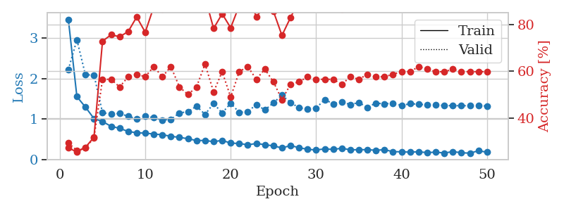
1.2833274447 | 1.6316998264 | 0.25543478261 | 0.21739130435 | 0.21219277382 | 25.543478261 | 21.739130435
1.2472181553 | 1.8063229115 | 0.25543478261 | 0.21739130435 | 0.21202254295 | 25.543478261 | 21.739130435
1.2509221979 | 1.9764827334 | 0.25543478261 | 0.21739130435 | 0.21144771576 | 25.543478261 | 21.739130435
1.2135562016 | 2.7314395905 | 0.25543478261 | 0.21739130435 | 0.20959043503 | 25.543478261 | 21.739130435
1.2058052343 | 3.4543304962 | 0.25543478261 | 0.21739130435 | 0.20974230766 | 25.543478261 | 21.739130435
1.1386574895 | 3.7212257489 | 0.25543478261 | 0.21739130435 | 0.21079707146 | 25.543478261 | 21.739130435
1.2292086171 | 2.4486902589 | 0.25543478261 | 0.21739130435 | 0.21437215805 | 25.543478261 | 21.739130435
1.2063904379 | 2.323601702 | 0.25543478261 | 0.21739130435 | 0.21175122261 | 25.543478261 | 21.739130435
1.1923652758 | 2.7941627399 | 0.25543478261 | 0.21739130435 | 0.2134642601 | 25.543478261 | 21.739130435
1.1990137178 | 2.1823668998 | 0.25543478261 | 0.21739130435 | 0.21118092537 | 25.543478261 | 21.739130435
1.160663571 | 1.614024437 | 0.25543478261 | 0.21739130435 | 0.21014666557 | 25.543478261 | 21.739130435
1.1861860571 | 2.0816577932 | 0.25543478261 | 0.21739130435 | 0.20930075645 | 25.543478261 | 21.739130435
1.0852994349 | 1.7690237709 | 0.25543478261 | 0.21739130435 | 0.20599961281 | 25.543478261 | 21.739130435
1.1363535212 | 1.3490989105 | 0.24184782609 | 0.27173913043 | 0.21331000328 | 24.184782609 | 27.173913043
1.0684832956 | 1.393663821 | 0.2527173913 | 0.26086956522 | 0.21229505539 | 25.27173913 | 26.086956522
1.1740976106 | 1.3672265436 | 0.5027173913 | 0.51086956522 | 0.20480132103 | 50.27173913 | 51.086956522
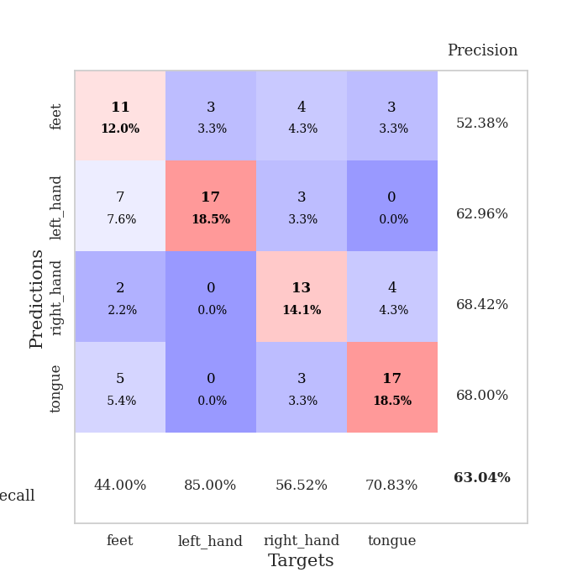
1.0425425405 | 1.75157802 | 0.2527173913 | 0.26086956522 | 0.21211910248 | 25.27173913 | 26.086956522
1.0548511199 | 1.5048612045 | 0.2527173913 | 0.26086956522 | 0.2139339447 | 25.27173913 | 26.086956522
1.0265237741 | 1.4198212883 | 0.24184782609 | 0.27173913043 | 0.21521687508 | 24.184782609 | 27.173913043
1.0397441594 | 2.0259634826 | 0.25543478261 | 0.21739130435 | 0.20696687698 | 25.543478261 | 21.739130435
1.0974522414 | 1.5333297615 | 0.2527173913 | 0.26086956522 | 0.21602702141 | 25.27173913 | 26.086956522
1.0487852459 | 3.7482647688 | 0.2527173913 | 0.26086956522 | 0.20747566223 | 25.27173913 | 26.086956522
1.0303493686 | 2.5634063016 | 0.2527173913 | 0.26086956522 | 0.2142136097 | 25.27173913 | 26.086956522
1.0362519648 | 3.3747068073 | 0.25543478261 | 0.21739130435 | 0.21415376663 | 25.543478261 | 21.739130435
0.97119274347 | 1.8294577132 | 0.25543478261 | 0.21739130435 | 0.21200871468 | 25.543478261 | 21.739130435
0.93254620614 | 1.2450051722 | 0.25543478261 | 0.21739130435 | 0.21249175072 | 25.543478261 | 21.739130435
0.97434575661 | 4.1888638061 | 0.2527173913 | 0.26086956522 | 0.20732831955 | 25.27173913 | 26.086956522
0.88910624774 | 4.1034570466 | 0.2527173913 | 0.26086956522 | 0.21097230911 | 25.27173913 | 26.086956522
1.0208715019 | 3.3156758495 | 0.2527173913 | 0.26086956522 | 0.21043539047 | 25.27173913 | 26.086956522
0.90883884741 | 2.475223365 | 0.2527173913 | 0.26086956522 | 0.21069693565 | 25.27173913 | 26.086956522
0.90416203893 | 3.1903523673 | 0.2527173913 | 0.26086956522 | 0.21238827705 | 25.27173913 | 26.086956522
0.99961597764 | 5.0689736864 | 0.2527173913 | 0.26086956522 | 0.20885586739 | 25.27173913 | 26.086956522
0.91436130327 | 7.1373840208 | 0.2527173913 | 0.26086956522 | 0.20976853371 | 25.27173913 | 26.086956522
0.90398308764 | 9.0042963443 | 0.2527173913 | 0.26086956522 | 0.21067428589 | 25.27173913 | 26.086956522
0.86770640508 | 5.9094541798 | 0.2527173913 | 0.26086956522 | 0.2098941803 | 25.27173913 | 26.086956522
0.91358815069 | 3.7564953203 | 0.2527173913 | 0.26086956522 | 0.2119204998 | 25.27173913 | 26.086956522
0.88279942067 | 4.8056987058 | 0.2527173913 | 0.26086956522 | 0.21119117737 | 25.27173913 | 26.086956522
0.90936956198 | 6.8664784017 | 0.2527173913 | 0.26086956522 | 0.21133089066 | 25.27173913 | 26.086956522
0.89786122156 | 4.2051729119 | 0.2527173913 | 0.26086956522 | 0.21000218391 | 25.27173913 | 26.086956522
0.87022914575 | 2.6406394813 | 0.2527173913 | 0.26086956522 | 0.2129509449 | 25.27173913 | 26.086956522
0.85167526421 | 2.1931681218 | 0.2527173913 | 0.26086956522 | 0.21292757988 | 25.27173913 | 26.086956522
0.82251852492 | 1.1539394285 | 0.49456521739 | 0.53260869565 | 0.21094679832 | 49.456521739 | 53.260869565
0.820146825 | 0.98518394646 | 0.97826086957 | 1 | 0.20988202095 | 97.826086957 | 100
0.87139574341 | 0.96720057208 | 0.50815217391 | 0.46739130435 | 0.21054959297 | 50.815217391 | 46.739130435
0.92093158027 | 1.108311565 | 0.25543478261 | 0.21739130435 | 0.21131825447 | 25.543478261 | 21.739130435
0.92787687286 | 1.3112251448 | 0.25543478261 | 0.21739130435 | 0.21237564087 | 25.543478261 | 21.739130435
0.82778064064 | 1.5120477676 | 0.25543478261 | 0.21739130435 | 0.21156716347 | 25.543478261 | 21.739130435
0.92560067125 | 1.6697057226 | 0.25543478261 | 0.21739130435 | 0.21281242371 | 25.543478261 | 21.739130435

Best Val accuracy is 1.0 and Best test accuracy is 0.9913793103448276

Sheet8
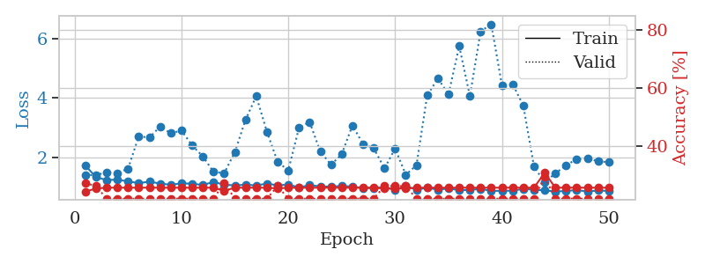
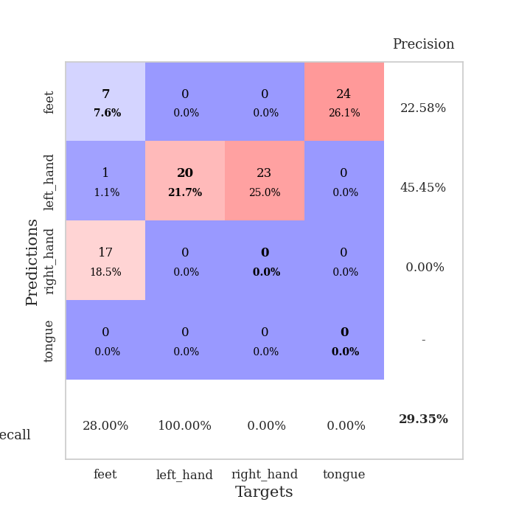
train_loss | valid_loss | train_accuracy | valid_accuracy | dur | train_misclass | valid_misclass
3.2372726047 | 4.9537803712 | 0.26358695652 | 0.28260869565 | 0.082586526871 | 26.358695652 | 28.260869565
1.5947271637 | 2.3176747405 | 0.38586956522 | 0.29347826087 | 0.080800533295 | 38.586956522 | 29.347826087
1.3818307441 | 1.6976294051 | 0.51358695652 | 0.36956521739 | 0.080476760864 | 51.358695652 | 36.956521739
1.2543753126 | 1.6768361226 | 0.52989130435 | 0.34782608696 | 0.080404281616 | 52.989130435 | 34.782608696
1.132021111 | 1.6432397469 | 0.64130434783 | 0.28260869565 | 0.080414295197 | 64.130434783 | 28.260869565
1.0510417612 | 1.5080312076 | 0.67934782609 | 0.36956521739 | 0.080349683762 | 67.934782609 | 36.956521739
0.89933955151 | 1.4287103 | 0.70380434783 | 0.35869565217 | 0.08039021492 | 70.380434783 | 35.869565217
0.91809828644 | 1.3951431202 | 0.73097826087 | 0.34782608696 | 0.080397844315 | 73.097826087 | 34.782608696
0.8648510057 | 1.54380902 | 0.66032608696 | 0.39130434783 | 0.080648422241 | 66.032608696 | 39.130434783
0.8124902987 | 1.4971821464 | 0.66847826087 | 0.40217391304 | 0.080794811249 | 66.847826087 | 40.217391304
0.77155279465 | 1.2356407487 | 0.73641304348 | 0.48913043478 | 0.081034898758 | 73.641304348 | 48.913043478
0.77596862161 | 1.115714011 | 0.8125 | 0.51086956522 | 0.080340385437 | 81.25 | 51.086956522
0.63865068296 | 1.2084104756 | 0.73369565217 | 0.5 | 0.080481767654 | 73.369565217 | 50
0.62031684881 | 1.3338489429 | 0.72554347826 | 0.48913043478 | 0.080034255981 | 72.554347826 | 48.913043478
0.60908233083 | 1.3236848842 | 0.70652173913 | 0.53260869565 | 0.080207109451 | 70.652173913 | 53.260869565
0.53449539711 | 1.0744024982 | 0.8097826087 | 0.5 | 0.080559253693 | 80.97826087 | 50
0.60800865487 | 1.2630087552 | 0.75815217391 | 0.53260869565 | 0.080686092377 | 75.815217391 | 53.260869565
0.45490642086 | 1.156226013 | 0.8097826087 | 0.59782608696 | 0.080770254135 | 80.97826087 | 59.782608696
0.52323276712 | 1.5911941736 | 0.65217391304 | 0.48913043478 | 0.081007003784 | 65.217391304 | 48.913043478
0.4449464141 | 1.2833693442 | 0.79891304348 | 0.53260869565 | 0.080529212952 | 79.891304348 | 53.260869565
0.38487787771 | 1.3801941042 | 0.77173913043 | 0.5652173913 | 0.080706834793 | 77.173913043 | 56.52173913
0.37811159666 | 1.4047600964 | 0.76902173913 | 0.52173913043 | 0.080557107925 | 76.902173913 | 52.173913043
0.41696033335 | 1.3385094352 | 0.78260869565 | 0.5652173913 | 0.080629825592 | 78.260869565 | 56.52173913
0.47734270407 | 1.3724200052 | 0.76902173913 | 0.53260869565 | 0.080583572388 | 76.902173913 | 53.260869565
0.39593462387 | 1.3755384321 | 0.8097826087 | 0.55434782609 | 0.080457925797 | 80.97826087 | 55.434782609
0.37879966232 | 1.2435702085 | 0.84510869565 | 0.57608695652 | 0.080460071564 | 84.510869565 | 57.608695652
0.41565174059 | 1.1774857925 | 0.8777173913 | 0.55434782609 | 0.080644369125 | 87.77173913 | 55.434782609
0.35195232086 | 1.3076459014 | 0.85597826087 | 0.53260869565 | 0.080666303635 | 85.597826087 | 53.260869565
0.35706123645 | 1.4641746905 | 0.77173913043 | 0.53260869565 | 0.080598831177 | 77.173913043 | 53.260869565
0.33395721699 | 1.1034522704 | 0.9347826087 | 0.58695652174 | 0.080975055695 | 93.47826087 | 58.695652174
0.39322786066 | 1.3207703932 | 0.86684782609 | 0.55434782609 | 0.080734014511 | 86.684782609 | 55.434782609
0.3044986618 | 1.4044150581 | 0.82608695652 | 0.54347826087 | 0.080299854279 | 82.608695652 | 54.347826087
0.29851628224 | 1.2684162855 | 0.86413043478 | 0.53260869565 | 0.080871105194 | 86.413043478 | 53.260869565
0.30260530309 | 1.1740646932 | 0.9347826087 | 0.55434782609 | 0.080746650696 | 93.47826087 | 55.434782609
0.31750649862 | 1.2679391374 | 0.89130434783 | 0.54347826087 | 0.080519199371 | 89.130434783 | 54.347826087
0.26653776415 | 1.1403706955 | 0.9402173913 | 0.61956521739 | 0.080581665039 | 94.02173913 | 61.956521739
0.28900249497 | 1.3025957294 | 0.8777173913 | 0.53260869565 | 0.081424951553 | 87.77173913 | 53.260869565
0.27909889429 | 1.3894176017 | 0.83423913043 | 0.53260869565 | 0.080687999725 | 83.423913043 | 53.260869565
0.24681380359 | 1.29325861 | 0.88586956522 | 0.54347826087 | 0.080717086792 | 88.586956522 | 54.347826087
0.24852626285 | 1.3268090487 | 0.86956521739 | 0.53260869565 | 0.080642700195 | 86.956521739 | 53.260869565
0.26508249083 | 1.2785635876 | 0.88315217391 | 0.54347826087 | 0.080591440201 | 88.315217391 | 54.347826087
0.26737000243 | 1.3005817662 | 0.86956521739 | 0.54347826087 | 0.0807929039 | 86.956521739 | 54.347826087
0.27799458121 | 1.3376223367 | 0.85869565217 | 0.54347826087 | 0.080470561981 | 85.869565217 | 54.347826087
0.2567177321 | 1.3543463427 | 0.86141304348 | 0.54347826087 | 0.080531835556 | 86.141304348 | 54.347826087
0.28489293936 | 1.3420553259 | 0.86956521739 | 0.53260869565 | 0.080693244934 | 86.956521739 | 53.260869565
0.25573157066 | 1.3313242819 | 0.8722826087 | 0.53260869565 | 0.080658197403 | 87.22826087 | 53.260869565
0.29153902116 | 1.3084891931 | 0.89673913043 | 0.53260869565 | 0.0808365345 | 89.673913043 | 53.260869565
0.23197981262 | 1.3026483059 | 0.89673913043 | 0.53260869565 | 0.080653429031 | 89.673913043 | 53.260869565
0.27492352769 | 1.299068539 | 0.89673913043 | 0.53260869565 | 0.080487966537 | 89.673913043 | 53.260869565
0.2786183652 | 1.2968357542 | 0.90217391304 | 0.53260869565 | 0.080635070801 | 90.217391304 | 53.260869565

Best Val accuracy is 0.6195652173913043 and Best test accuracy is 0.6379310344827587
train_loss | valid_loss | train_accuracy | valid_accuracy | dur | train_misclass | valid_misclass
1.7205403162 | 1.3939463574 | 0.24184782609 | 0.27173913043 | 0.20909929276 | 24.184782609 | 27.173913043
1.3289905424 | 1.4032376745 | 0.2527173913 | 0.26086956522 | 0.21102142334 | 25.27173913 | 26.086956522
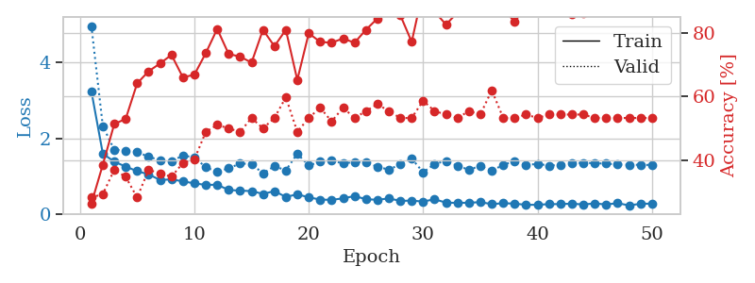
1.230297156 | 1.48875562 | 0.25543478261 | 0.21739130435 | 0.21053171158 | 25.543478261 | 21.739130435
1.2456021905 | 1.469868971 | 0.25543478261 | 0.21739130435 | 0.21087145805 | 25.543478261 | 21.739130435
1.1850096117 | 1.6149390521 | 0.25543478261 | 0.21739130435 | 0.20969033241 | 25.543478261 | 21.739130435
1.127449471 | 2.7073066442 | 0.25543478261 | 0.21739130435 | 0.21219134331 | 25.543478261 | 21.739130435
1.1761416819 | 2.6676509173 | 0.25543478261 | 0.21739130435 | 0.20919585228 | 25.543478261 | 21.739130435
1.1136879662 | 3.0371245509 | 0.25543478261 | 0.21739130435 | 0.21061420441 | 25.543478261 | 21.739130435
1.0704249144 | 2.8117918865 | 0.25543478261 | 0.21739130435 | 0.2119114399 | 25.543478261 | 21.739130435
1.1186939944 | 2.9020992466 | 0.25543478261 | 0.21739130435 | 0.21211099625 | 25.543478261 | 21.739130435
1.1085223426 | 2.4003944397 | 0.25543478261 | 0.21739130435 | 0.21226620674 | 25.543478261 | 21.739130435
1.0633104703 | 2.0276685279 | 0.25543478261 | 0.21739130435 | 0.21096777916 | 25.543478261 | 21.739130435
1.1689468544 | 1.5074828759 | 0.25543478261 | 0.21739130435 | 0.21137475967 | 25.543478261 | 21.739130435
1.072651775 | 1.4592238354 | 0.24456521739 | 0.27173913043 | 0.21133136749 | 24.456521739 | 27.173913043
1.0501103609 | 2.180008401 | 0.25543478261 | 0.21739130435 | 0.21281409264 | 25.543478261 | 21.739130435
1.0732550932 | 3.2684724124 | 0.25543478261 | 0.21739130435 | 0.21500325203 | 25.543478261 | 21.739130435
1.0496147897 | 4.0674680005 | 0.25543478261 | 0.21739130435 | 0.20924973488 | 25.543478261 | 21.739130435
1.109501012 | 2.8638255803 | 0.25543478261 | 0.21739130435 | 0.2136194706 | 25.543478261 | 21.739130435
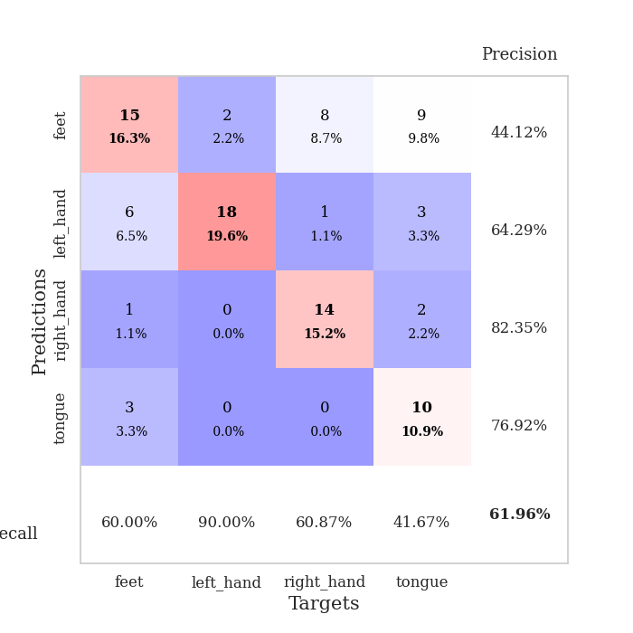
1.0544220987 | 1.8423255786 | 0.2527173913 | 0.26086956522 | 0.21212339401 | 25.27173913 | 26.086956522
1.0750464564 | 1.5607631466 | 0.25543478261 | 0.21739130435 | 0.21320152283 | 25.543478261 | 21.739130435
0.98201138559 | 2.9966645344 | 0.25543478261 | 0.21739130435 | 0.21197271347 | 25.543478261 | 21.739130435
1.0582098883 | 3.1891229982 | 0.25543478261 | 0.21739130435 | 0.21146035194 | 25.543478261 | 21.739130435
1.015734968 | 2.1937743374 | 0.25543478261 | 0.21739130435 | 0.21072936058 | 25.543478261 | 21.739130435
1.0089795512 | 1.7471681833 | 0.25543478261 | 0.21739130435 | 0.21110892296 | 25.543478261 | 21.739130435
1.0294924352 | 2.1017311034 | 0.25543478261 | 0.21739130435 | 0.21139025688 | 25.543478261 | 21.739130435
1.0114244715 | 3.0755703968 | 0.25543478261 | 0.21739130435 | 0.21227669716 | 25.543478261 | 21.739130435
0.95685434341 | 2.4493642164 | 0.25543478261 | 0.21739130435 | 0.20885181427 | 25.543478261 | 21.739130435
0.96558160886 | 2.3066334517 | 0.25543478261 | 0.21739130435 | 0.21219944954 | 25.543478261 | 21.739130435
0.98429064906 | 1.6238223211 | 0.2527173913 | 0.26086956522 | 0.21059656143 | 25.27173913 | 26.086956522
0.90348102088 | 2.2949177701 | 0.2527173913 | 0.26086956522 | 0.21112322807 | 25.27173913 | 26.086956522
1.0352314918 | 1.4102519491 | 0.2527173913 | 0.26086956522 | 0.21134853363 | 25.27173913 | 26.086956522
0.89878889011 | 1.7311035395 | 0.25543478261 | 0.21739130435 | 0.21072793007 | 25.543478261 | 21.739130435
0.97437830593 | 4.0886902809 | 0.25543478261 | 0.21739130435 | 0.21254014969 | 25.543478261 | 21.739130435
0.90257730173 | 4.6636487919 | 0.25543478261 | 0.21739130435 | 0.21249127388 | 25.543478261 | 21.739130435
0.95014550893 | 4.1277310537 | 0.25543478261 | 0.21739130435 | 0.21030592918 | 25.543478261 | 21.739130435
0.88784598008 | 5.7581385737 | 0.25543478261 | 0.21739130435 | 0.21197295189 | 25.543478261 | 21.739130435
0.89738164518 | 4.0644290758 | 0.25543478261 | 0.21739130435 | 0.20976614952 | 25.543478261 | 21.739130435
0.93307206423 | 6.2544541774 | 0.25543478261 | 0.21739130435 | 0.21248698235 | 25.543478261 | 21.739130435
0.86424334412 | 6.4968077618 | 0.25543478261 | 0.21739130435 | 0.20837831497 | 25.543478261 | 21.739130435
0.86817289824 | 4.4295462525 | 0.25543478261 | 0.21739130435 | 0.20917105675 | 25.543478261 | 21.739130435
0.87208711324 | 4.4748956639 | 0.25543478261 | 0.21739130435 | 0.21248745918 | 25.543478261 | 21.739130435
0.93218454589 | 3.7445149214 | 0.25543478261 | 0.21739130435 | 0.20981764793 | 25.543478261 | 21.739130435
0.90618288258 | 1.6870691258 | 0.25543478261 | 0.21739130435 | 0.20997595787 | 25.543478261 | 21.739130435
0.87954973915 | 1.1530469656 | 0.30706521739 | 0.29347826087 | 0.20938515663 | 30.706521739 | 29.347826087
0.84595894684 | 1.4578811345 | 0.25543478261 | 0.21739130435 | 0.21161460876 | 25.543478261 | 21.739130435
0.85942601898 | 1.7255986877 | 0.25543478261 | 0.21739130435 | 0.2102560997 | 25.543478261 | 21.739130435
0.89633055874 | 1.9431448501 | 0.25543478261 | 0.21739130435 | 0.20841765404 | 25.543478261 | 21.739130435
0.84005288715 | 1.95082254 | 0.25543478261 | 0.21739130435 | 0.20908999443 | 25.543478261 | 21.739130435
0.88122947579 | 1.8727805563 | 0.25543478261 | 0.21739130435 | 0.21015000343 | 25.543478261 | 21.739130435
0.86049486502 | 1.8287027038 | 0.25543478261 | 0.21739130435 | 0.21019506454 | 25.543478261 | 21.739130435

Best Val accuracy is 0.29347826086956524 and Best test accuracy is 0.28448275862068967

Sheet9
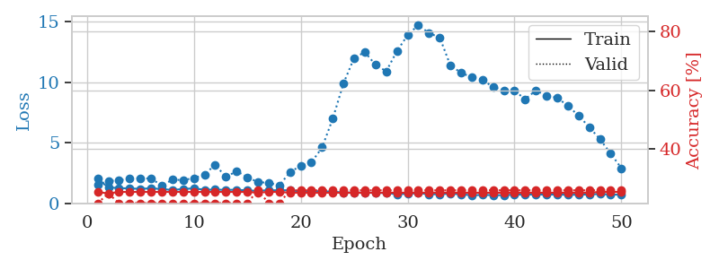
train_loss | valid_loss | train_accuracy | valid_accuracy | dur | train_misclass | valid_misclass
3.7514838084 | 3.0696286844 | 0.25 | 0.25 | 0.082831144333 | 25 | 25
1.5199153112 | 2.1485541333 | 0.32608695652 | 0.29347826087 | 0.080446243286 | 32.608695652 | 29.347826087
1.2612431283 | 1.466180848 | 0.45652173913 | 0.34782608696 | 0.080579042435 | 45.652173913 | 34.782608696
1.1011197878 | 1.45969692 | 0.49456521739 | 0.39130434783 | 0.080563545227 | 49.456521739 | 39.130434783
0.99412772448 | 1.3241837284 | 0.60326086957 | 0.45652173913 | 0.080743074417 | 60.326086957 | 45.652173913
0.91101606255 | 1.2183448569 | 0.71739130435 | 0.51086956522 | 0.080671072006 | 71.739130435 | 51.086956522
0.78284587679 | 1.431725248 | 0.69836956522 | 0.4347826087 | 0.080729484558 | 69.836956522 | 43.47826087
0.767057976 | 1.1575945357 | 0.8125 | 0.42391304348 | 0.080510854721 | 81.25 | 42.391304348
0.69730811793 | 1.263951172 | 0.74184782609 | 0.45652173913 | 0.080741643906 | 74.184782609 | 45.652173913
0.71407364374 | 1.1892056361 | 0.81793478261 | 0.5652173913 | 0.080634832382 | 81.793478261 | 56.52173913
0.60355352967 | 1.1411349151 | 0.86141304348 | 0.51086956522 | 0.08079123497 | 86.141304348 | 51.086956522
0.55415096361 | 1.198539835 | 0.83423913043 | 0.54347826087 | 0.080577611923 | 83.423913043 | 54.347826087
0.51465529851 | 1.1610079304 | 0.89402173913 | 0.5652173913 | 0.0806016922 | 89.402173913 | 56.52173913
0.58852838045 | 1.5384086941 | 0.78804347826 | 0.46739130435 | 0.080547332764 | 78.804347826 | 46.739130435
0.51020100454 | 1.2888221533 | 0.89130434783 | 0.47826086957 | 0.080499410629 | 89.130434783 | 47.826086957
0.55926853094 | 1.2928926401 | 0.89402173913 | 0.51086956522 | 0.080591917038 | 89.402173913 | 51.086956522
0.51245795385 | 1.2672451527 | 0.92119565217 | 0.53260869565 | 0.080537557602 | 92.119565217 | 53.260869565
0.42810312367 | 1.3599593899 | 0.88858695652 | 0.5 | 0.080460071564 | 88.858695652 | 50
0.41135245367 | 1.2718316939 | 0.9347826087 | 0.48913043478 | 0.080534934998 | 93.47826087 | 48.913043478
0.37643037963 | 1.2409848545 | 0.9402173913 | 0.5 | 0.080592155457 | 94.02173913 | 50
0.34267850706 | 1.2843331487 | 0.93206521739 | 0.58695652174 | 0.080482006073 | 93.206521739 | 58.695652174
0.36151306396 | 1.3074565841 | 0.91304347826 | 0.53260869565 | 0.080974340439 | 91.304347826 | 53.260869565
0.36258818015 | 1.3311470099 | 0.9375 | 0.47826086957 | 0.080658912659 | 93.75 | 47.826086957
0.35758909389 | 1.2131218729 | 0.98097826087 | 0.55434782609 | 0.080636024475 | 98.097826087 | 55.434782609
0.38237718752 | 1.2775541155 | 0.95652173913 | 0.53260869565 | 0.080561637878 | 95.652173913 | 53.260869565
0.34093498017 | 1.2850024415 | 0.95652173913 | 0.53260869565 | 0.080630779266 | 95.652173913 | 53.260869565
0.2898124505 | 1.3188738486 | 0.96467391304 | 0.55434782609 | 0.080737352371 | 96.467391304 | 55.434782609
0.3180914918 | 1.2168194392 | 0.98913043478 | 0.5652173913 | 0.080699443817 | 98.913043478 | 56.52173913
0.24050244397 | 1.2621255362 | 0.98913043478 | 0.55434782609 | 0.080616235733 | 98.913043478 | 55.434782609
0.27556131035 | 1.3289208801 | 0.98641304348 | 0.5652173913 | 0.080352306366 | 98.641304348 | 56.52173913
0.23899898743 | 1.3141814082 | 0.97826086957 | 0.54347826087 | 0.080537557602 | 97.826086957 | 54.347826087
0.25405978541 | 1.3572832501 | 0.97554347826 | 0.53260869565 | 0.080555200577 | 97.554347826 | 53.260869565
0.21477122022 | 1.3079423412 | 0.99184782609 | 0.5 | 0.080483913422 | 99.184782609 | 50
0.24420298701 | 1.3548383998 | 0.97826086957 | 0.54347826087 | 0.080605506897 | 97.826086957 | 54.347826087
0.21883549509 | 1.282497761 | 0.99184782609 | 0.55434782609 | 0.080634355545 | 99.184782609 | 55.434782609
0.2378505977 | 1.3311336326 | 0.98097826087 | 0.54347826087 | 0.080655813217 | 98.097826087 | 54.347826087
0.28631760957 | 1.3216211874 | 0.99184782609 | 0.54347826087 | 0.080734968185 | 99.184782609 | 54.347826087
0.23684646967 | 1.3042447748 | 0.99456521739 | 0.53260869565 | 0.080776453018 | 99.456521739 | 53.260869565
0.17933840774 | 1.31017184 | 0.99456521739 | 0.53260869565 | 0.080755710602 | 99.456521739 | 53.260869565
0.19994000783 | 1.3275952961 | 0.99184782609 | 0.54347826087 | 0.080963134766 | 99.184782609 | 54.347826087
0.17515757259 | 1.3199444024 | 0.98913043478 | 0.54347826087 | 0.080925941467 | 98.913043478 | 54.347826087
0.16538537326 | 1.3129097171 | 0.98913043478 | 0.53260869565 | 0.080646753311 | 98.913043478 | 53.260869565
0.1731038275 | 1.3160207375 | 0.98913043478 | 0.52173913043 | 0.080738782883 | 98.913043478 | 52.173913043
0.21911748207 | 1.3326440687 | 0.98913043478 | 0.53260869565 | 0.080564022064 | 98.913043478 | 53.260869565
0.16608823058 | 1.3292151353 | 0.98913043478 | 0.53260869565 | 0.080827474594 | 98.913043478 | 53.260869565
0.18953000738 | 1.3246855632 | 0.98913043478 | 0.52173913043 | 0.080656290054 | 98.913043478 | 52.173913043
0.16625903612 | 1.3246270133 | 0.98913043478 | 0.52173913043 | 0.080739974976 | 98.913043478 | 52.173913043
0.18806516201 | 1.3226005383 | 0.98913043478 | 0.53260869565 | 0.080745458603 | 98.913043478 | 53.260869565
0.18824485592 | 1.320897942 | 0.99456521739 | 0.53260869565 | 0.080607652664 | 99.456521739 | 53.260869565
0.19308014619 | 1.3205589004 | 0.99456521739 | 0.53260869565 | 0.080998897552 | 99.456521739 | 53.260869565

Best Val accuracy is 0.5869565217391305 and Best test accuracy is 0.603448275862069
train_loss | valid_loss | train_accuracy | valid_accuracy | dur | train_misclass | valid_misclass
2.031411964 | 1.5384205321 | 0.25543478261 | 0.21739130435 | 0.20559000969 | 25.543478261 | 21.739130435
1.3269715413 | 1.8669373937 | 0.25 | 0.25 | 0.21066665649 | 25 | 25
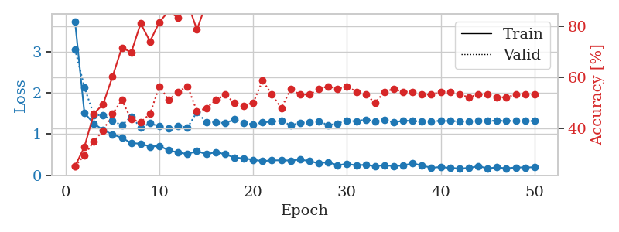
1.2698187828 | 1.8966307329 | 0.25543478261 | 0.21739130435 | 0.21285247803 | 25.543478261 | 21.739130435
1.2396002334 | 2.0703497244 | 0.25543478261 | 0.21739130435 | 0.21094298363 | 25.543478261 | 21.739130435
1.204788773 | 2.078717719 | 0.25543478261 | 0.21739130435 | 0.21092224121 | 25.543478261 | 21.739130435
1.2517647432 | 2.056775912 | 0.25543478261 | 0.21739130435 | 0.21398448944 | 25.543478261 | 21.739130435
1.1904032852 | 1.4841482795 | 0.25543478261 | 0.21739130435 | 0.20852375031 | 25.543478261 | 21.739130435
1.111628522 | 1.9563239761 | 0.25543478261 | 0.21739130435 | 0.21003317833 | 25.543478261 | 21.739130435
1.1945378573 | 1.9369228612 | 0.25543478261 | 0.21739130435 | 0.20841860771 | 25.543478261 | 21.739130435
1.2470220379 | 2.086901447 | 0.25543478261 | 0.21739130435 | 0.21101212502 | 25.543478261 | 21.739130435
1.1316937726 | 2.3921368951 | 0.25543478261 | 0.21739130435 | 0.21124839783 | 25.543478261 | 21.739130435
1.1408282518 | 3.2026181532 | 0.25543478261 | 0.21739130435 | 0.20851707458 | 25.543478261 | 21.739130435
1.1241560863 | 2.181350708 | 0.25543478261 | 0.21739130435 | 0.20878648758 | 25.543478261 | 21.739130435
1.1274421163 | 2.6684187495 | 0.25543478261 | 0.21739130435 | 0.20911335945 | 25.543478261 | 21.739130435
1.0824612146 | 2.1662775641 | 0.25543478261 | 0.21739130435 | 0.20877838135 | 25.543478261 | 21.739130435
1.0334879341 | 1.7669283877 | 0.2527173913 | 0.26086956522 | 0.20948171616 | 25.27173913 | 26.086956522
1.1024812097 | 1.6984965957 | 0.25543478261 | 0.21739130435 | 0.20836424828 | 25.543478261 | 21.739130435
1.0761679204 | 1.4971993747 | 0.25543478261 | 0.21739130435 | 0.21051812172 | 25.543478261 | 21.739130435
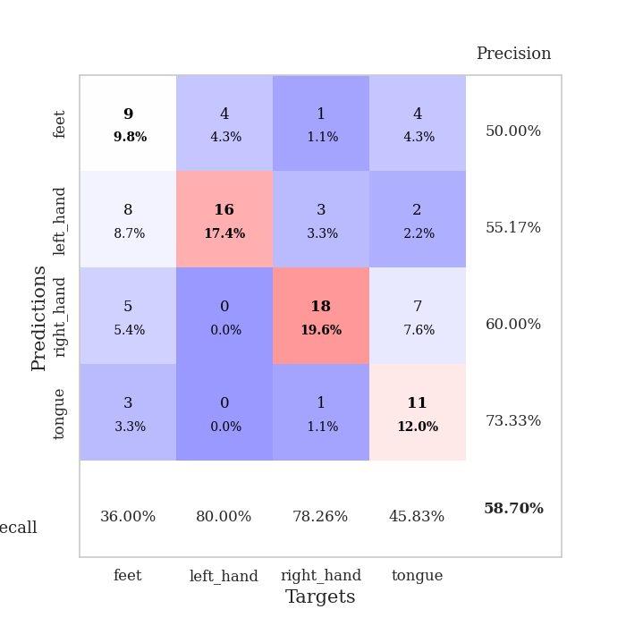
1.0993921938 | 2.5895843195 | 0.2527173913 | 0.26086956522 | 0.20967674255 | 25.27173913 | 26.086956522
0.98693859577 | 3.1105354558 | 0.2527173913 | 0.26086956522 | 0.21032142639 | 25.27173913 | 26.086956522
1.0234625365 | 3.3863005431 | 0.2527173913 | 0.26086956522 | 0.21027088165 | 25.27173913 | 26.086956522
1.0050961453 | 4.6216219404 | 0.2527173913 | 0.26086956522 | 0.20792007446 | 25.27173913 | 26.086956522
0.98150033277 | 7.0082176872 | 0.2527173913 | 0.26086956522 | 0.21078443527 | 25.27173913 | 26.086956522
0.89861799323 | 9.9135420841 | 0.2527173913 | 0.26086956522 | 0.20636439323 | 25.27173913 | 26.086956522
0.90013415658 | 12.023829626 | 0.2527173913 | 0.26086956522 | 0.20922470093 | 25.27173913 | 26.086956522
0.88584731714 | 12.497628088 | 0.2527173913 | 0.26086956522 | 0.21040153503 | 25.27173913 | 26.086956522
0.88547739516 | 11.451098525 | 0.2527173913 | 0.26086956522 | 0.21004247665 | 25.27173913 | 26.086956522
0.85145739887 | 10.914915458 | 0.2527173913 | 0.26086956522 | 0.21174526215 | 25.27173913 | 26.086956522
0.76935851704 | 12.579460186 | 0.2527173913 | 0.26086956522 | 0.21088147163 | 25.27173913 | 26.086956522
0.79577760074 | 13.899322717 | 0.2527173913 | 0.26086956522 | 0.2097196579 | 25.27173913 | 26.086956522
0.85396634237 | 14.742312431 | 0.2527173913 | 0.26086956522 | 0.21000504494 | 25.27173913 | 26.086956522
0.75750401227 | 14.063017016 | 0.2527173913 | 0.26086956522 | 0.21275043488 | 25.27173913 | 26.086956522
0.76313251646 | 13.725177143 | 0.2527173913 | 0.26086956522 | 0.20919036865 | 25.27173913 | 26.086956522
0.81183090158 | 11.40535848 | 0.2527173913 | 0.26086956522 | 0.21009325981 | 25.27173913 | 26.086956522
0.75496523406 | 10.796664653 | 0.2527173913 | 0.26086956522 | 0.20829105377 | 25.27173913 | 26.086956522
0.67895791323 | 10.419848815 | 0.2527173913 | 0.26086956522 | 0.20904874802 | 25.27173913 | 26.086956522
0.70286219535 | 10.222240738 | 0.2527173913 | 0.26086956522 | 0.20754480362 | 25.27173913 | 26.086956522
0.6921923925 | 9.605337682 | 0.2527173913 | 0.26086956522 | 0.20710086823 | 25.27173913 | 26.086956522
0.67710251394 | 9.3604483812 | 0.2527173913 | 0.26086956522 | 0.20978450775 | 25.27173913 | 26.086956522
0.73620806181 | 9.3150720182 | 0.2527173913 | 0.26086956522 | 0.20848965645 | 25.27173913 | 26.086956522
0.72013668133 | 8.6129141683 | 0.2527173913 | 0.26086956522 | 0.21036672592 | 25.27173913 | 26.086956522
0.75118583182 | 9.3326350088 | 0.2527173913 | 0.26086956522 | 0.20920920372 | 25.27173913 | 26.086956522
0.72243306429 | 8.9126151541 | 0.2527173913 | 0.26086956522 | 0.21022319794 | 25.27173913 | 26.086956522
0.74818282153 | 8.7230307538 | 0.2527173913 | 0.26086956522 | 0.20950579643 | 25.27173913 | 26.086956522
0.70624708222 | 8.0675885574 | 0.2527173913 | 0.26086956522 | 0.20931506157 | 25.27173913 | 26.086956522
0.73098995763 | 7.2487510391 | 0.2527173913 | 0.26086956522 | 0.20935034752 | 25.27173913 | 26.086956522
0.73723688851 | 6.3067970483 | 0.2527173913 | 0.26086956522 | 0.21010541916 | 25.27173913 | 26.086956522
0.78931887642 | 5.2999220102 | 0.25543478261 | 0.26086956522 | 0.2103369236 | 25.543478261 | 26.086956522
0.7242959984 | 4.1180365811 | 0.25543478261 | 0.26086956522 | 0.20935559273 | 25.543478261 | 26.086956522
0.73439965559 | 2.917171613 | 0.25543478261 | 0.26086956522 | 0.20994210243 | 25.543478261 | 26.086956522

Best Val accuracy is 0.2608695652173913 and Best test accuracy is 0.23275862068965517

Sheet10
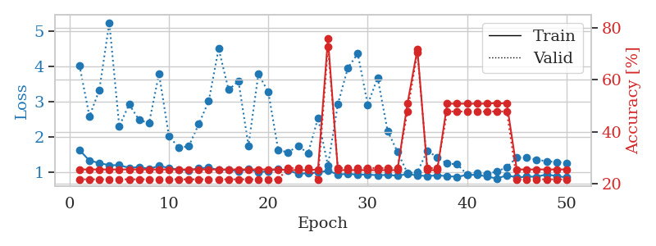
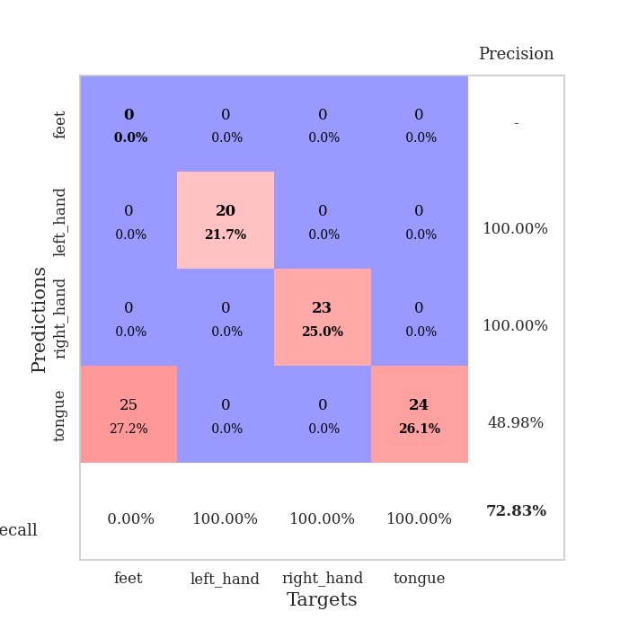
train_loss | valid_loss | train_accuracy | valid_accuracy | dur | train_misclass | valid_misclass
3.1185681924 | 2.3033727926 | 0.26358695652 | 0.25 | 0.083366155624 | 26.358695652 | 25
1.7766665376 | 2.9004561797 | 0.32880434783 | 0.34782608696 | 0.081054210663 | 32.880434783 | 34.782608696
1.5139336508 | 2.1615155832 | 0.36413043478 | 0.33695652174 | 0.080990552902 | 36.413043478 | 33.695652174
1.3013781853 | 1.5810147109 | 0.5 | 0.38043478261 | 0.080462694168 | 50 | 38.043478261
1.1097149823 | 1.7111377716 | 0.40760869565 | 0.30434782609 | 0.080860376358 | 40.760869565 | 30.434782609
1.0036478483 | 1.3295649705 | 0.67391304348 | 0.46739130435 | 0.080741643906 | 67.391304348 | 46.739130435
0.86639564452 | 1.3240371424 | 0.6847826087 | 0.42391304348 | 0.081351518631 | 68.47826087 | 42.391304348
0.84338491637 | 1.1307906016 | 0.80434782609 | 0.44565217391 | 0.080992221832 | 80.434782609 | 44.565217391
0.73488594138 | 1.1214865446 | 0.79347826087 | 0.5 | 0.080900192261 | 79.347826087 | 50
0.71192834429 | 1.1353019891 | 0.79076086957 | 0.41304347826 | 0.081264734268 | 79.076086957 | 41.304347826
0.59980427053 | 1.5720894959 | 0.6847826087 | 0.45652173913 | 0.080882549286 | 68.47826087 | 45.652173913
0.64483881774 | 1.1502458894 | 0.8097826087 | 0.52173913043 | 0.081099271774 | 80.97826087 | 52.173913043
0.51762789488 | 1.1595287789 | 0.85054347826 | 0.48913043478 | 0.083841323853 | 85.054347826 | 48.913043478
0.48839477352 | 1.0764909801 | 0.8722826087 | 0.51086956522 | 0.080992698669 | 87.22826087 | 51.086956522
0.57928922125 | 1.1551316251 | 0.85054347826 | 0.53260869565 | 0.08071064949 | 85.054347826 | 53.260869565
0.5053175636 | 1.0978055881 | 0.92391304348 | 0.53260869565 | 0.080793142319 | 92.391304348 | 53.260869565
0.47579446305 | 1.0184513927 | 0.9347826087 | 0.60869565217 | 0.080648422241 | 93.47826087 | 60.869565217
0.46492682462 | 1.0602305402 | 0.91847826087 | 0.5652173913 | 0.080785512924 | 91.847826087 | 56.52173913
0.4211450407 | 1.1284275444 | 0.90760869565 | 0.53260869565 | 0.080431938171 | 90.760869565 | 53.260869565
0.39383322519 | 1.101442166 | 0.9375 | 0.5652173913 | 0.080482959747 | 93.75 | 56.52173913
0.40501037305 | 1.0553177828 | 0.95652173913 | 0.5652173913 | 0.080409526825 | 95.652173913 | 56.52173913
0.39922926413 | 1.0730810062 | 0.9347826087 | 0.61956521739 | 0.080551862717 | 93.47826087 | 61.956521739
0.37543577604 | 1.1776181874 | 0.94293478261 | 0.5652173913 | 0.08083319664 | 94.293478261 | 56.52173913
0.31465763275 | 1.1199760022 | 0.94293478261 | 0.59782608696 | 0.080259799957 | 94.293478261 | 59.782608696
0.35696717935 | 1.1407922299 | 0.9375 | 0.5652173913 | 0.080412626266 | 93.75 | 56.52173913
0.30011943501 | 1.0266837685 | 0.97282608696 | 0.63043478261 | 0.080360412598 | 97.282608696 | 63.043478261
0.27488678661 | 1.0745551146 | 0.95652173913 | 0.61956521739 | 0.080858469009 | 95.652173913 | 61.956521739
0.30659008901 | 1.0431288559 | 0.94836956522 | 0.5652173913 | 0.080641746521 | 94.836956522 | 56.52173913
0.29837016275 | 1.0151165102 | 0.95652173913 | 0.61956521739 | 0.080622434616 | 95.652173913 | 61.956521739
0.32120772322 | 1.1388378558 | 0.94565217391 | 0.61956521739 | 0.080502986908 | 94.565217391 | 61.956521739
0.2263966112 | 1.1042224894 | 0.96195652174 | 0.59782608696 | 0.080439090729 | 96.195652174 | 59.782608696
0.23367914995 | 1.0782164646 | 0.97010869565 | 0.65217391304 | 0.080408573151 | 97.010869565 | 65.217391304
0.25397774156 | 1.1086138435 | 0.96739130435 | 0.60869565217 | 0.080565452576 | 96.739130435 | 60.869565217
0.28246014517 | 1.0859997117 | 0.98097826087 | 0.63043478261 | 0.080419540405 | 98.097826087 | 63.043478261
0.26035147452 | 1.1614079735 | 0.95923913043 | 0.60869565217 | 0.080510854721 | 95.923913043 | 60.869565217
0.20543635199 | 1.1026950245 | 0.96195652174 | 0.64130434783 | 0.080574035645 | 96.195652174 | 64.130434783
0.19593663255 | 1.0833501764 | 0.98097826087 | 0.63043478261 | 0.080549240112 | 98.097826087 | 63.043478261
0.2173209767 | 1.1006696172 | 0.97826086957 | 0.63043478261 | 0.08058142662 | 97.826086957 | 63.043478261
0.2293143159 | 1.0978497526 | 0.97554347826 | 0.64130434783 | 0.080860137939 | 97.554347826 | 64.130434783
0.21478182499 | 1.0920750836 | 0.98641304348 | 0.61956521739 | 0.080511808395 | 98.641304348 | 61.956521739
0.25053418201 | 1.1475484993 | 0.98097826087 | 0.63043478261 | 0.08062338829 | 98.097826087 | 63.043478261
0.18030489868 | 1.0984920989 | 0.98369565217 | 0.61956521739 | 0.080485582352 | 98.369565217 | 61.956521739
0.2159471967 | 1.1017815237 | 0.98369565217 | 0.61956521739 | 0.080454826355 | 98.369565217 | 61.956521739
0.17145068725 | 1.0855252432 | 0.98369565217 | 0.63043478261 | 0.080701589584 | 98.369565217 | 63.043478261
0.21781192623 | 1.0862944437 | 0.98913043478 | 0.63043478261 | 0.080472707748 | 98.913043478 | 63.043478261
0.18815106121 | 1.0926033362 | 0.98913043478 | 0.63043478261 | 0.080473661423 | 98.913043478 | 63.043478261
0.1777135827 | 1.0909434453 | 0.98913043478 | 0.63043478261 | 0.080563545227 | 98.913043478 | 63.043478261
0.17922954553 | 1.0970523772 | 0.98913043478 | 0.63043478261 | 0.08043718338 | 98.913043478 | 63.043478261
0.17806501751 | 1.0983146118 | 0.98913043478 | 0.63043478261 | 0.080582618713 | 98.913043478 | 63.043478261
0.23964434862 | 1.0992495288 | 0.98913043478 | 0.63043478261 | 0.080488204956 | 98.913043478 | 63.043478261

Best Val accuracy is 0.6521739130434783 and Best test accuracy is 0.6379310344827587
train_loss | valid_loss | train_accuracy | valid_accuracy | dur | train_misclass | valid_misclass
1.6292251297 | 4.0359447106 | 0.25543478261 | 0.21739130435 | 0.20912718773 | 25.543478261 | 21.739130435
1.329317917 | 2.5884777152 | 0.25543478261 | 0.21739130435 | 0.21061062813 | 25.543478261 | 21.739130435
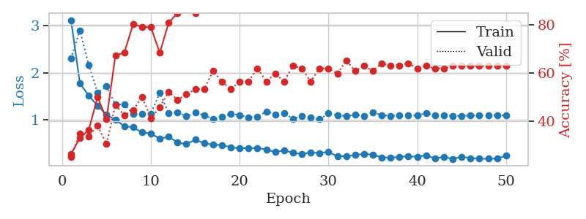
1.2608489265 | 3.3381143964 | 0.25543478261 | 0.21739130435 | 0.2081193924 | 25.543478261 | 21.739130435
1.197228157 | 5.2526304618 | 0.25543478261 | 0.21739130435 | 0.2115213871 | 25.543478261 | 21.739130435
1.2003075973 | 2.3073558185 | 0.25543478261 | 0.21739130435 | 0.21113300323 | 25.543478261 | 21.739130435
1.1232869599 | 2.9261728784 | 0.25543478261 | 0.21739130435 | 0.2110054493 | 25.543478261 | 21.739130435
1.1463664926 | 2.4829661846 | 0.25543478261 | 0.21739130435 | 0.21012735367 | 25.543478261 | 21.739130435
1.0955481659 | 2.3942302932 | 0.25543478261 | 0.21739130435 | 0.20859956741 | 25.543478261 | 21.739130435
1.176891472 | 3.7969535745 | 0.25543478261 | 0.21739130435 | 0.20932626724 | 25.543478261 | 21.739130435
1.122210075 | 2.0243182182 | 0.25543478261 | 0.21739130435 | 0.21077179909 | 25.543478261 | 21.739130435
1.0685951347 | 1.6944895568 | 0.25543478261 | 0.21739130435 | 0.2095823288 | 25.543478261 | 21.739130435
1.0551317827 | 1.7401854681 | 0.25543478261 | 0.21739130435 | 0.21082162857 | 25.543478261 | 21.739130435
1.1083730174 | 2.3661578324 | 0.25543478261 | 0.21739130435 | 0.21098017693 | 25.543478261 | 21.739130435
1.1333333358 | 3.0168037933 | 0.25543478261 | 0.21739130435 | 0.21041178703 | 25.543478261 | 21.739130435
1.0583465125 | 4.5113606038 | 0.25543478261 | 0.21739130435 | 0.21309185028 | 25.543478261 | 21.739130435
1.0762477724 | 3.3441894054 | 0.25543478261 | 0.21739130435 | 0.21297621727 | 25.543478261 | 21.739130435
1.011301717 | 3.5847007606 | 0.25543478261 | 0.21739130435 | 0.21257424355 | 25.543478261 | 21.739130435
1.093764883 | 1.7551682877 | 0.25543478261 | 0.21739130435 | 0.21103930473 | 25.543478261 | 21.739130435
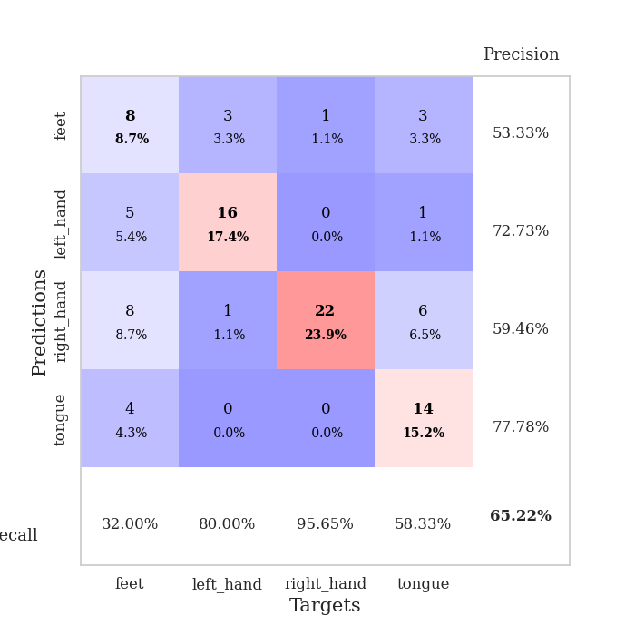
0.99402001111 | 3.7899827853 | 0.25543478261 | 0.21739130435 | 0.21262574196 | 25.543478261 | 21.739130435
1.0342164091 | 3.2776204399 | 0.25543478261 | 0.21739130435 | 0.21075296402 | 25.543478261 | 21.739130435
1.0911405164 | 1.6264911475 | 0.25543478261 | 0.21739130435 | 0.21010136604 | 25.543478261 | 21.739130435
1.0515701667 | 1.565979999 | 0.2527173913 | 0.26086956522 | 0.2110555172 | 25.27173913 | 26.086956522
0.95421696746 | 1.7485213228 | 0.2527173913 | 0.26086956522 | 0.21113753319 | 25.27173913 | 26.086956522
0.96916744502 | 1.5350526571 | 0.2527173913 | 0.26086956522 | 0.21244978905 | 25.27173913 | 26.086956522
0.9930445811 | 2.5392612063 | 0.25543478261 | 0.21739130435 | 0.20938515663 | 25.543478261 | 21.739130435
1.0437208829 | 1.186606402 | 0.75815217391 | 0.72826086957 | 0.21194458008 | 75.815217391 | 72.826086957
0.93443901124 | 2.9368345426 | 0.2527173913 | 0.26086956522 | 0.21317481995 | 25.27173913 | 26.086956522
0.95133184609 | 3.960258318 | 0.2527173913 | 0.26086956522 | 0.21350860596 | 25.27173913 | 26.086956522
0.93322413901 | 4.3707990854 | 0.2527173913 | 0.26086956522 | 0.21022439003 | 25.27173913 | 26.086956522
0.93066140361 | 2.9212573611 | 0.2527173913 | 0.26086956522 | 0.2121822834 | 25.27173913 | 26.086956522
0.91360033595 | 3.6849333825 | 0.2527173913 | 0.26086956522 | 0.21139287949 | 25.27173913 | 26.086956522
0.92082868452 | 2.173185561 | 0.2527173913 | 0.26086956522 | 0.2121796608 | 25.27173913 | 26.086956522
0.89993620437 | 1.5778349431 | 0.2527173913 | 0.26086956522 | 0.21085858345 | 25.27173913 | 26.086956522
0.94473701715 | 0.97673221256 | 0.50815217391 | 0.47826086957 | 0.21225595474 | 50.815217391 | 47.826086957
0.91139774478 | 0.99727362653 | 0.71739130435 | 0.70652173913 | 0.21139955521 | 71.739130435 | 70.652173913
0.8874602577 | 1.6137665303 | 0.2527173913 | 0.26086956522 | 0.21065831184 | 25.27173913 | 26.086956522
0.91165256241 | 1.4169789034 | 0.2527173913 | 0.26086956522 | 0.21344780922 | 25.27173913 | 26.086956522
0.88632602018 | 1.2443739746 | 0.50815217391 | 0.47826086957 | 0.21079039574 | 50.815217391 | 47.826086957
0.86915634767 | 1.2276686378 | 0.50815217391 | 0.47826086957 | 0.20969986916 | 50.815217391 | 47.826086957
0.92116680093 | 0.9344669425 | 0.50815217391 | 0.47826086957 | 0.2098274231 | 50.815217391 | 47.826086957
0.92610686758 | 0.97080533919 | 0.50815217391 | 0.47826086957 | 0.21099472046 | 50.815217391 | 47.826086957
0.87796896437 | 0.95852778528 | 0.50815217391 | 0.47826086957 | 0.21137547493 | 50.815217391 | 47.826086957
0.8190862977 | 1.0147322986 | 0.51086956522 | 0.47826086957 | 0.21001338959 | 51.086956522 | 47.826086957
0.9117873933 | 1.1483053539 | 0.50815217391 | 0.47826086957 | 0.21036744118 | 50.815217391 | 47.826086957
0.84990076915 | 1.4169353454 | 0.25543478261 | 0.21739130435 | 0.21266031265 | 25.543478261 | 21.739130435
0.87419223267 | 1.4217785338 | 0.25543478261 | 0.21739130435 | 0.21209836006 | 25.543478261 | 21.739130435
0.87108639531 | 1.3522878471 | 0.25543478261 | 0.21739130435 | 0.21109676361 | 25.543478261 | 21.739130435
0.93606672857 | 1.3134522023 | 0.25543478261 | 0.21739130435 | 0.21158909798 | 25.543478261 | 21.739130435
0.89116185126 | 1.2884362729 | 0.25543478261 | 0.21739130435 | 0.21174740791 | 25.543478261 | 21.739130435
0.85147113904 | 1.2652198906 | 0.25543478261 | 0.21739130435 | 0.21072649956 | 25.543478261 | 21.739130435

Best Val accuracy is 0.7282608695652174 and Best test accuracy is 0.7413793103448276

