Sheet
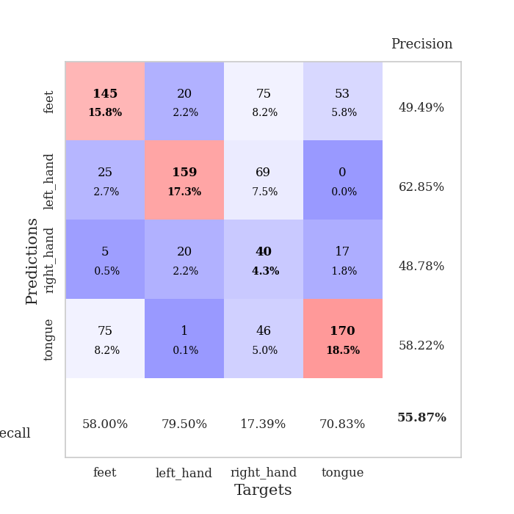
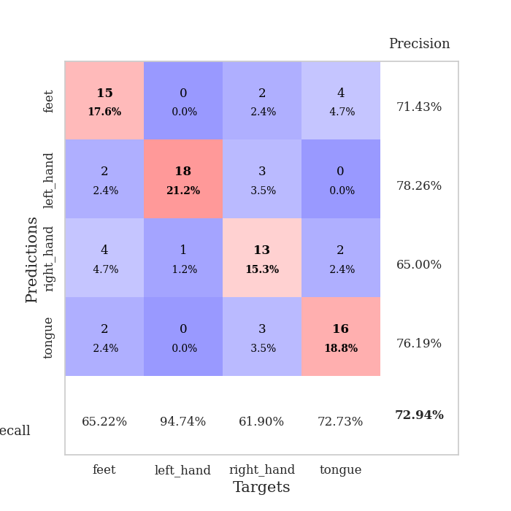
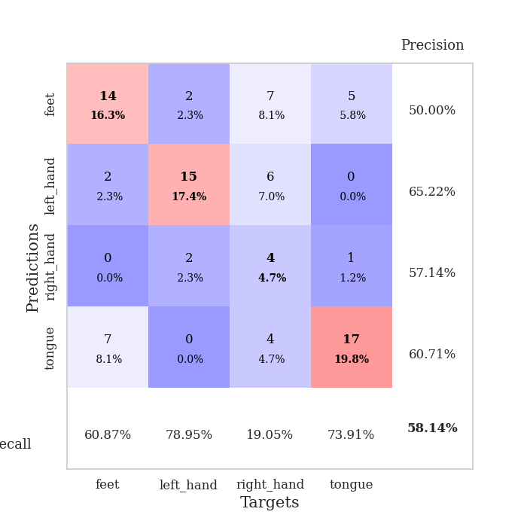
best_val_acc | best_val_los | best_test_acc
0.6847826087 | 0.90723416598 | 0.58620689655
0.6847826087 | 0.90977015055 | 0.62068965517
0.70652173913 | 0.89157110194 | 0.64655172414
0.6847826087 | 0.99472308677 | 0.59482758621
0.72826086957 | 0.84139522651 | 0.60344827586
0.72826086957 | 0.77383857447 | 0.62931034483
0.77173913043 | 0.88430914542 | 0.72413793103
0.67391304348 | 0.98694122874 | 0.65517241379
0.64130434783 | 1.1582984847 | 0.56034482759
0.6847826087 | 1.0814848568 | 0.63793103448

Mean,std Val accuracy is 0.6989130434782609 , 0.03624999547327757 and mean, std test accuracy is 0.6258620689655172 , 0.0452893984019438
best_val_acc | best_val_los | best_test_acc
0.75 | 0.85231954896 | 0.75
0.48913043478 | 0.91221542721 | 0.51724137931
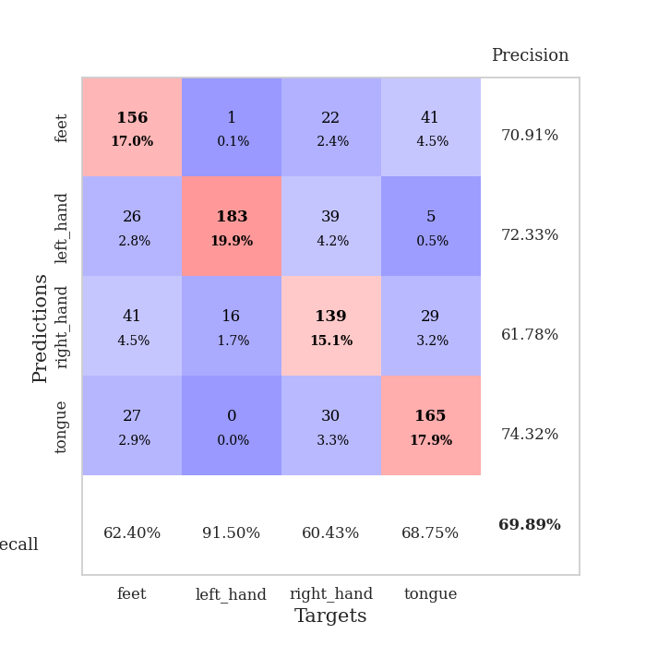
0.47826086957 | 1.2528897213 | 0.49137931034
0.72826086957 | 0.81128887508 | 0.74137931034
0.69565217391 | 0.93189382035 | 0.71551724138
0.46739130435 | 1.0707545643 | 0.49137931034
0.53260869565 | 1.1763545171 | 0.49137931034
0.75 | 0.93298240589 | 0.75
0.29347826087 | 1.2932306217 | 0.33620689655
0.40217391304 | 1.1179152831 | 0.38793103448

Mean,std Val accuracy is 0.558695652173913 , 0.1618880152098945 and mean, std test accuracy is 0.5672413793103448 , 0.1579048481695204

Sheet1
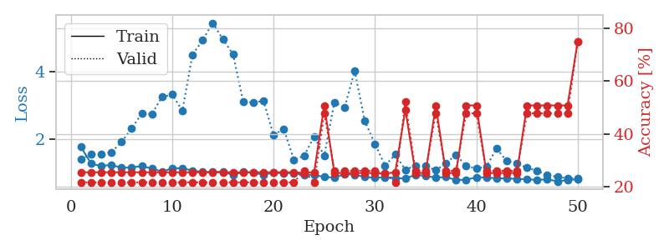
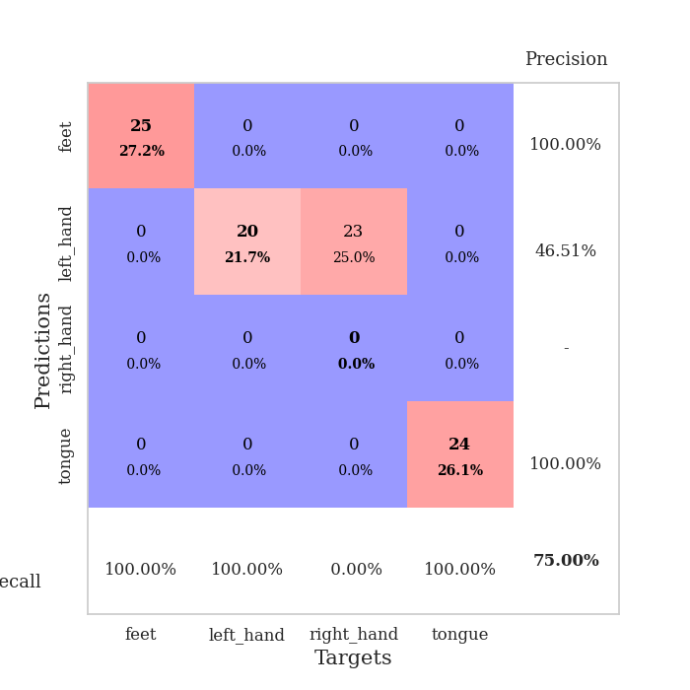
train_loss | valid_loss | train_accuracy | valid_accuracy | dur | train_misclass | valid_misclass
2.9732721992 | 1.9201137294 | 0.41032608696 | 0.33695652174 | 0.082370996475 | 41.032608696 | 33.695652174
1.2617486353 | 2.46219493 | 0.45923913043 | 0.42391304348 | 0.080538272858 | 45.923913043 | 42.391304348
1.0371451663 | 2.7079150884 | 0.39402173913 | 0.36956521739 | 0.080187320709 | 39.402173913 | 36.956521739
0.84721176002 | 1.7712871925 | 0.58423913043 | 0.48913043478 | 0.080410242081 | 58.423913043 | 48.913043478
0.76535091063 | 1.2275149874 | 0.77717391304 | 0.5652173913 | 0.080468893051 | 77.717391304 | 56.52173913
0.73611738241 | 1.2961295584 | 0.79619565217 | 0.57608695652 | 0.080652952194 | 79.619565217 | 57.608695652
0.65718196786 | 1.2441216604 | 0.73913043478 | 0.5652173913 | 0.080571889877 | 73.913043478 | 56.52173913
0.58715952091 | 1.144727852 | 0.84782608696 | 0.5652173913 | 0.080424070358 | 84.782608696 | 56.52173913
0.50384119542 | 1.1064936959 | 0.79619565217 | 0.61956521739 | 0.080414772034 | 79.619565217 | 61.956521739
0.46807994013 | 1.0618284215 | 0.80706521739 | 0.57608695652 | 0.080467224121 | 80.706521739 | 57.608695652
0.41821219221 | 1.2827291281 | 0.73097826087 | 0.55434782609 | 0.080526351929 | 73.097826087 | 55.434782609
0.47387794826 | 0.92209524694 | 0.89402173913 | 0.6847826087 | 0.080466270447 | 89.402173913 | 68.47826087
0.3843830649 | 1.1515072791 | 0.82065217391 | 0.63043478261 | 0.0802693367 | 82.065217391 | 63.043478261
0.31288070912 | 0.90723416598 | 0.91576086957 | 0.6847826087 | 0.080507516861 | 91.576086957 | 68.47826087
0.33612585521 | 1.0937693793 | 0.89945652174 | 0.63043478261 | 0.080650091171 | 89.945652174 | 63.043478261
0.32857702608 | 1.0301844607 | 0.85869565217 | 0.66304347826 | 0.080546617508 | 85.869565217 | 66.304347826
0.27043291959 | 1.0161433531 | 0.92119565217 | 0.6847826087 | 0.080408811569 | 92.119565217 | 68.47826087
0.25818633677 | 1.0697803186 | 0.8722826087 | 0.66304347826 | 0.080538034439 | 87.22826087 | 66.304347826
0.29083384379 | 1.287927358 | 0.80706521739 | 0.61956521739 | 0.08042550087 | 80.706521739 | 61.956521739
0.2341542082 | 1.3445519364 | 0.78260869565 | 0.55434782609 | 0.080581903458 | 78.260869565 | 55.434782609
0.26709453146 | 1.331771125 | 0.79619565217 | 0.59782608696 | 0.080377340317 | 79.619565217 | 59.782608696
0.23651608193 | 1.2291462059 | 0.82336956522 | 0.60869565217 | 0.080239057541 | 82.336956522 | 60.869565217
0.20742501076 | 1.4235131222 | 0.71195652174 | 0.54347826087 | 0.080309391022 | 71.195652174 | 54.347826087
0.22871682639 | 1.3261131515 | 0.8125 | 0.60869565217 | 0.080448865891 | 81.25 | 60.869565217
0.20638754551 | 1.3268481027 | 0.81793478261 | 0.59782608696 | 0.080420017242 | 81.793478261 | 59.782608696
0.16988372256 | 1.1915916723 | 0.84510869565 | 0.58695652174 | 0.080380916595 | 84.510869565 | 58.695652174
0.17134451818 | 1.3507732412 | 0.80706521739 | 0.57608695652 | 0.080447435379 | 80.706521739 | 57.608695652
0.133260006 | 1.1829028285 | 0.89130434783 | 0.63043478261 | 0.080280303955 | 89.130434783 | 63.043478261
0.16763748998 | 1.2364960909 | 0.88315217391 | 0.64130434783 | 0.080595254898 | 88.315217391 | 64.130434783
0.13553124111 | 1.2610642392 | 0.86141304348 | 0.66304347826 | 0.080609798431 | 86.141304348 | 66.304347826
0.12069912028 | 1.2773518666 | 0.84510869565 | 0.63043478261 | 0.080439329147 | 84.510869565 | 63.043478261
0.1275922671 | 1.3961532842 | 0.80434782609 | 0.60869565217 | 0.080379486084 | 80.434782609 | 60.869565217
0.15095754065 | 1.341927461 | 0.77173913043 | 0.61956521739 | 0.080439090729 | 77.173913043 | 61.956521739
0.10336268402 | 1.4065823037 | 0.78532608696 | 0.60869565217 | 0.080404043198 | 78.532608696 | 60.869565217
0.1252318524 | 1.3772089948 | 0.8097826087 | 0.61956521739 | 0.080439329147 | 80.97826087 | 61.956521739
0.11971610291 | 1.4180030408 | 0.79347826087 | 0.59782608696 | 0.080403327942 | 79.347826087 | 59.782608696
0.075582216555 | 1.4276170005 | 0.79891304348 | 0.59782608696 | 0.080479621887 | 79.891304348 | 59.782608696
0.10901230525 | 1.3000737273 | 0.8097826087 | 0.61956521739 | 0.080509662628 | 80.97826087 | 61.956521739
0.067415076551 | 1.2541858735 | 0.84239130435 | 0.61956521739 | 0.08043050766 | 84.239130435 | 61.956521739
0.11848767531 | 1.3060562455 | 0.8152173913 | 0.60869565217 | 0.080475568771 | 81.52173913 | 60.869565217
0.11219423066 | 1.363578843 | 0.8097826087 | 0.59782608696 | 0.080410003662 | 80.97826087 | 59.782608696
0.092110232592 | 1.316703843 | 0.83152173913 | 0.60869565217 | 0.080512285233 | 83.152173913 | 60.869565217
0.099173549968 | 1.2920181233 | 0.83967391304 | 0.60869565217 | 0.080490350723 | 83.967391304 | 60.869565217
0.088459420625 | 1.2968341371 | 0.84510869565 | 0.60869565217 | 0.080393314362 | 84.510869565 | 60.869565217
0.10441278881 | 1.2821321798 | 0.85597826087 | 0.59782608696 | 0.080352306366 | 85.597826087 | 59.782608696
0.090834523794 | 1.2789658567 | 0.85326086957 | 0.59782608696 | 0.080323457718 | 85.326086957 | 59.782608696
0.091065895177 | 1.2729702462 | 0.85597826087 | 0.59782608696 | 0.080439329147 | 85.597826087 | 59.782608696
0.10799061203 | 1.2680966906 | 0.85597826087 | 0.59782608696 | 0.080350875854 | 85.597826087 | 59.782608696
0.077788629448 | 1.2637597374 | 0.86141304348 | 0.59782608696 | 0.086333751678 | 86.141304348 | 59.782608696
0.087665160996 | 1.2609661662 | 0.86141304348 | 0.59782608696 | 0.080473899841 | 86.141304348 | 59.782608696

Best Val accuracy is 0.6847826086956522 and Best test accuracy is 0.5862068965517241
train_loss | valid_loss | train_accuracy | valid_accuracy | dur | train_misclass | valid_misclass
1.774360833 | 1.4210573849 | 0.25543478261 | 0.21739130435 | 0.20701861382 | 25.543478261 | 21.739130435
1.2831605569 | 1.5578049214 | 0.25543478261 | 0.21739130435 | 0.21133518219 | 25.543478261 | 21.739130435
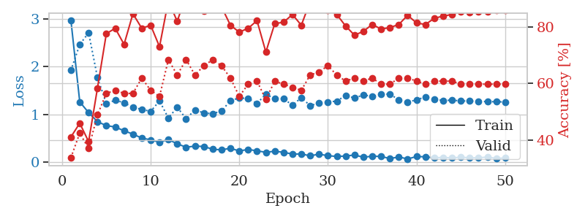
1.2102899292 | 1.562176269 | 0.25543478261 | 0.21739130435 | 0.21196222305 | 25.543478261 | 21.739130435
1.2483912318 | 1.6185210114 | 0.25543478261 | 0.21739130435 | 0.21126294136 | 25.543478261 | 21.739130435
1.1585228236 | 1.917726807 | 0.25543478261 | 0.21739130435 | 0.21029233932 | 25.543478261 | 21.739130435
1.1724830296 | 2.3212462923 | 0.25543478261 | 0.21739130435 | 0.21212720871 | 25.543478261 | 21.739130435
1.2104406201 | 2.7607954585 | 0.25543478261 | 0.21739130435 | 0.21266245842 | 25.543478261 | 21.739130435
1.1390048758 | 2.7473344699 | 0.25543478261 | 0.21739130435 | 0.2105987072 | 25.543478261 | 21.739130435
1.0441468669 | 3.2467977793 | 0.25543478261 | 0.21739130435 | 0.21211504936 | 25.543478261 | 21.739130435
1.1432348568 | 3.3161905123 | 0.25543478261 | 0.21739130435 | 0.21274590492 | 25.543478261 | 21.739130435
1.1482341471 | 2.8402803981 | 0.25543478261 | 0.21739130435 | 0.21179437637 | 25.543478261 | 21.739130435
1.0763583572 | 4.4890994196 | 0.25543478261 | 0.21739130435 | 0.20903348923 | 25.543478261 | 21.739130435
1.0394553102 | 4.9196181712 | 0.25543478261 | 0.21739130435 | 0.21001195908 | 25.543478261 | 21.739130435
1.0338727054 | 5.4259551712 | 0.25543478261 | 0.21739130435 | 0.20918917656 | 25.543478261 | 21.739130435
1.0452321457 | 4.9442706315 | 0.25543478261 | 0.21739130435 | 0.2107872963 | 25.543478261 | 21.739130435
0.94326411641 | 4.5077149972 | 0.25543478261 | 0.21739130435 | 0.21205186844 | 25.543478261 | 21.739130435
1.0399361616 | 3.1087677997 | 0.25543478261 | 0.21739130435 | 0.21079897881 | 25.543478261 | 21.739130435
1.0128441064 | 3.0776013913 | 0.25543478261 | 0.21739130435 | 0.21259999275 | 25.543478261 | 21.739130435
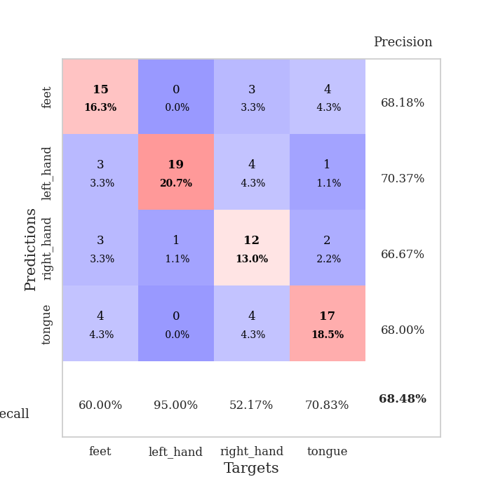
0.95802775932 | 3.1369228881 | 0.25543478261 | 0.21739130435 | 0.21296215057 | 25.543478261 | 21.739130435
1.0105320708 | 2.1224015692 | 0.25543478261 | 0.21739130435 | 0.21075773239 | 25.543478261 | 21.739130435
1.0021478534 | 2.3087661474 | 0.25543478261 | 0.21739130435 | 0.21068525314 | 25.543478261 | 21.739130435
1.0027900494 | 1.3981502782 | 0.25543478261 | 0.21739130435 | 0.2099647522 | 25.543478261 | 21.739130435
0.9522627618 | 1.5078752818 | 0.2527173913 | 0.26086956522 | 0.21088171005 | 25.27173913 | 26.086956522
0.95150218321 | 2.0804989804 | 0.25543478261 | 0.21739130435 | 0.21073150635 | 25.543478261 | 21.739130435
0.88933894427 | 1.5163012328 | 0.50815217391 | 0.47826086957 | 0.21012282372 | 50.815217391 | 47.826086957
0.87335474854 | 3.0920678325 | 0.2527173913 | 0.26086956522 | 0.20994114876 | 25.27173913 | 26.086956522
0.97259646136 | 2.9261492335 | 0.2527173913 | 0.26086956522 | 0.21055269241 | 25.27173913 | 26.086956522
0.95596691318 | 4.0158872604 | 0.2527173913 | 0.26086956522 | 0.21172332764 | 25.27173913 | 26.086956522
0.89196874007 | 2.5321440282 | 0.2527173913 | 0.26086956522 | 0.20981764793 | 25.27173913 | 26.086956522
0.86452614743 | 1.865333469 | 0.2527173913 | 0.26086956522 | 0.20859718323 | 25.27173913 | 26.086956522
0.88612253251 | 1.2224948043 | 0.25 | 0.25 | 0.21238541603 | 25 | 25
0.86172793482 | 1.5500488489 | 0.25543478261 | 0.21739130435 | 0.20958971977 | 25.543478261 | 21.739130435
0.84181819273 | 1.1029713413 | 0.49184782609 | 0.52173913043 | 0.2120039463 | 49.184782609 | 52.173913043
0.9552407472 | 1.2264628462 | 0.2527173913 | 0.26086956522 | 0.21118998528 | 25.27173913 | 26.086956522
0.918595016 | 1.2173905321 | 0.2527173913 | 0.26086956522 | 0.2107436657 | 25.27173913 | 26.086956522
0.87022214869 | 1.0867765779 | 0.50815217391 | 0.47826086957 | 0.20927786827 | 50.815217391 | 47.826086957
0.88668844493 | 1.291485859 | 0.2527173913 | 0.26086956522 | 0.21160435677 | 25.27173913 | 26.086956522
0.80275524958 | 1.5441643933 | 0.2527173913 | 0.26086956522 | 0.21056032181 | 25.27173913 | 26.086956522
0.80597458456 | 1.2152611069 | 0.50815217391 | 0.47826086957 | 0.20987868309 | 50.815217391 | 47.826086957
0.883288653 | 1.1338666366 | 0.50815217391 | 0.47826086957 | 0.21163773537 | 50.815217391 | 47.826086957
0.87359766856 | 1.1972283695 | 0.2527173913 | 0.26086956522 | 0.21246790886 | 25.27173913 | 26.086956522
0.84901319898 | 1.7255793188 | 0.2527173913 | 0.26086956522 | 0.21140408516 | 25.27173913 | 26.086956522
0.85109593039 | 1.3588949286 | 0.2527173913 | 0.26086956522 | 0.21235561371 | 25.27173913 | 26.086956522
0.8305072292 | 1.2914810803 | 0.2527173913 | 0.26086956522 | 0.21104621887 | 25.27173913 | 26.086956522
0.823136467 | 1.1577126254 | 0.50815217391 | 0.47826086957 | 0.21419501305 | 50.815217391 | 47.826086957
0.80135069982 | 1.0737233058 | 0.50815217391 | 0.47826086957 | 0.21084427834 | 50.815217391 | 47.826086957
0.82500476163 | 0.94549827731 | 0.50815217391 | 0.47826086957 | 0.20991969109 | 50.815217391 | 47.826086957
0.75773498416 | 0.89197244074 | 0.50815217391 | 0.47826086957 | 0.21175408363 | 50.815217391 | 47.826086957
0.79954208887 | 0.85231954896 | 0.50815217391 | 0.47826086957 | 0.20989584923 | 50.815217391 | 47.826086957
0.82003507407 | 0.85716128349 | 0.75 | 0.75 | 0.21071338654 | 75 | 75

Best Val accuracy is 0.75 and Best test accuracy is 0.75

Sheet2
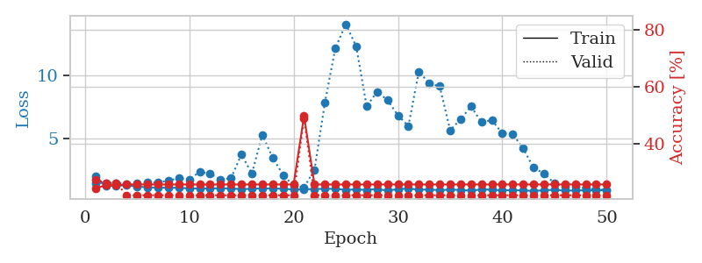
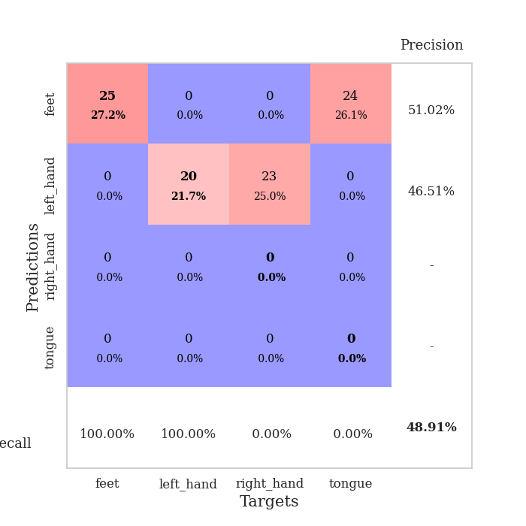
train_loss | valid_loss | train_accuracy | valid_accuracy | dur | train_misclass | valid_misclass
3.174063045 | 7.2965052439 | 0.2527173913 | 0.26086956522 | 0.085729837418 | 25.27173913 | 26.086956522
1.2460677935 | 5.3384089263 | 0.2527173913 | 0.26086956522 | 0.080443143845 | 25.27173913 | 26.086956522
1.0444494641 | 2.8959391532 | 0.29619565217 | 0.35869565217 | 0.08046245575 | 29.619565217 | 35.869565217
0.87905166849 | 1.8468825506 | 0.49184782609 | 0.44565217391 | 0.080188751221 | 49.184782609 | 44.565217391
0.79913258812 | 1.224906727 | 0.69293478261 | 0.52173913043 | 0.08021068573 | 69.293478261 | 52.173913043
0.72823475625 | 1.0235305843 | 0.77445652174 | 0.5652173913 | 0.080214977264 | 77.445652174 | 56.52173913
0.67027132213 | 1.0116162482 | 0.82065217391 | 0.57608695652 | 0.080201864243 | 82.065217391 | 57.608695652
0.58516293116 | 0.97497185935 | 0.80163043478 | 0.61956521739 | 0.080146074295 | 80.163043478 | 61.956521739
0.48730450739 | 1.0779368281 | 0.83152173913 | 0.60869565217 | 0.080424785614 | 83.152173913 | 60.869565217
0.45657602795 | 1.079550655 | 0.84510869565 | 0.59782608696 | 0.0804438591 | 84.510869565 | 59.782608696
0.3724893176 | 1.0797078415 | 0.8097826087 | 0.63043478261 | 0.080615758896 | 80.97826087 | 63.043478261
0.43573783662 | 0.94068887441 | 0.88858695652 | 0.6847826087 | 0.080400466919 | 88.858695652 | 68.47826087
0.32108070118 | 1.0056468883 | 0.92391304348 | 0.60869565217 | 0.080776691437 | 92.391304348 | 60.869565217
0.33745992006 | 1.1649846823 | 0.92934782609 | 0.63043478261 | 0.08038187027 | 92.934782609 | 63.043478261
0.31065104675 | 1.0724243677 | 0.85869565217 | 0.60869565217 | 0.080286741257 | 85.869565217 | 60.869565217
0.29263034665 | 0.9598058961 | 0.94293478261 | 0.64130434783 | 0.080413103104 | 94.293478261 | 64.130434783
0.24016661327 | 0.90977015055 | 0.91032608696 | 0.6847826087 | 0.083342075348 | 91.032608696 | 68.47826087
0.26964655049 | 0.99208891521 | 0.91032608696 | 0.6847826087 | 0.082461357117 | 91.032608696 | 68.47826087
0.25906325812 | 1.0979025351 | 0.9402173913 | 0.63043478261 | 0.081539869308 | 94.02173913 | 63.043478261
0.18481298034 | 0.96673795192 | 0.94565217391 | 0.66304347826 | 0.080701589584 | 94.565217391 | 66.304347826
0.18476729241 | 1.1311159309 | 0.91847826087 | 0.65217391304 | 0.080801486969 | 91.847826087 | 65.217391304
0.1759141771 | 1.0319995932 | 0.95108695652 | 0.6847826087 | 0.080757379532 | 95.108695652 | 68.47826087
0.16234367632 | 1.1237778094 | 0.93206521739 | 0.65217391304 | 0.081080198288 | 93.206521739 | 65.217391304
0.17087197126 | 1.2210247685 | 0.89673913043 | 0.63043478261 | 0.080826044083 | 89.673913043 | 63.043478261
0.16357817691 | 1.2466103707 | 0.86956521739 | 0.66304347826 | 0.080928325653 | 86.956521739 | 66.304347826
0.13534041235 | 1.0796669903 | 0.95923913043 | 0.64130434783 | 0.080657243729 | 95.923913043 | 64.130434783
0.107819943 | 1.1055319646 | 0.9347826087 | 0.63043478261 | 0.080819368362 | 93.47826087 | 63.043478261
0.1747420861 | 1.183838865 | 0.90489130435 | 0.65217391304 | 0.08031463623 | 90.489130435 | 65.217391304
0.16347223455 | 1.2434501065 | 0.91847826087 | 0.63043478261 | 0.080924510956 | 91.847826087 | 63.043478261
0.1231385661 | 1.2562218412 | 0.92391304348 | 0.63043478261 | 0.080669879913 | 92.391304348 | 63.043478261
0.094674605431 | 1.2534385038 | 0.92119565217 | 0.65217391304 | 0.080771207809 | 92.119565217 | 65.217391304
0.11671123125 | 1.3043422129 | 0.89402173913 | 0.61956521739 | 0.080513477325 | 89.402173913 | 61.956521739
0.079951600698 | 1.1133370451 | 0.92391304348 | 0.67391304348 | 0.080966949463 | 92.391304348 | 67.391304348
0.11490540611 | 1.1623980144 | 0.92391304348 | 0.65217391304 | 0.081437110901 | 92.391304348 | 65.217391304
0.1164191409 | 1.253638664 | 0.92391304348 | 0.64130434783 | 0.080647945404 | 92.391304348 | 64.130434783
0.12000226157 | 1.3441021475 | 0.89945652174 | 0.63043478261 | 0.080785036087 | 89.945652174 | 63.043478261
0.083621298489 | 1.284072701 | 0.91304347826 | 0.63043478261 | 0.080507040024 | 91.304347826 | 63.043478261
0.10062854502 | 1.3490801156 | 0.88858695652 | 0.66304347826 | 0.08086514473 | 88.858695652 | 66.304347826
0.066671053757 | 1.2773751604 | 0.91032608696 | 0.65217391304 | 0.08071064949 | 91.032608696 | 65.217391304
0.10494965728 | 1.2014300525 | 0.94836956522 | 0.64130434783 | 0.080557346344 | 94.836956522 | 64.130434783
0.10010798605 | 1.2305713095 | 0.93206521739 | 0.63043478261 | 0.080626487732 | 93.206521739 | 63.043478261
0.076256223671 | 1.2441423587 | 0.92934782609 | 0.64130434783 | 0.080684661865 | 92.934782609 | 64.130434783
0.12277931688 | 1.2279132138 | 0.93206521739 | 0.61956521739 | 0.080560445786 | 93.206521739 | 61.956521739
0.071691231357 | 1.2210024038 | 0.9347826087 | 0.63043478261 | 0.080618143082 | 93.47826087 | 63.043478261
0.065196054178 | 1.2138815794 | 0.94293478261 | 0.63043478261 | 0.080541610718 | 94.293478261 | 63.043478261
0.077753676223 | 1.2189927231 | 0.94293478261 | 0.63043478261 | 0.08078455925 | 94.293478261 | 63.043478261
0.061174108849 | 1.2226366776 | 0.9402173913 | 0.63043478261 | 0.080794095993 | 94.02173913 | 63.043478261
0.08322897762 | 1.2219807013 | 0.9402173913 | 0.63043478261 | 0.080672740936 | 94.02173913 | 63.043478261
0.058963419505 | 1.2210158226 | 0.9402173913 | 0.63043478261 | 0.080769300461 | 94.02173913 | 63.043478261
0.084557356353 | 1.2198729554 | 0.9402173913 | 0.63043478261 | 0.080757379532 | 94.02173913 | 63.043478261

Best Val accuracy is 0.6847826086956522 and Best test accuracy is 0.6206896551724138
train_loss | valid_loss | train_accuracy | valid_accuracy | dur | train_misclass | valid_misclass
1.9975328186 | 1.4658835038 | 0.24184782609 | 0.27173913043 | 0.20990991592 | 24.184782609 | 27.173913043
1.2188193254 | 1.4631705129 | 0.2527173913 | 0.26086956522 | 0.20991158485 | 25.27173913 | 26.086956522
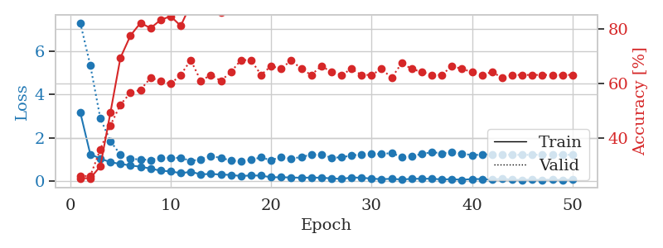
1.2638506941 | 1.477049869 | 0.2527173913 | 0.26086956522 | 0.20850920677 | 25.27173913 | 26.086956522
1.2844214906 | 1.4044344944 | 0.25543478261 | 0.21739130435 | 0.21030688286 | 25.543478261 | 21.739130435
1.1910062173 | 1.459059425 | 0.25543478261 | 0.21739130435 | 0.20920777321 | 25.543478261 | 21.739130435
1.1301013594 | 1.5307142838 | 0.25543478261 | 0.21739130435 | 0.21203327179 | 25.543478261 | 21.739130435
1.0947973365 | 1.4865861613 | 0.25543478261 | 0.21739130435 | 0.21279668808 | 25.543478261 | 21.739130435
1.0926399283 | 1.6720461379 | 0.25543478261 | 0.21739130435 | 0.20501804352 | 25.543478261 | 21.739130435
1.0894580147 | 1.8405312092 | 0.25543478261 | 0.21739130435 | 0.2132422924 | 25.543478261 | 21.739130435
1.0368493458 | 1.7512436794 | 0.25543478261 | 0.21739130435 | 0.20987939835 | 25.543478261 | 21.739130435
1.0361989477 | 2.3513842666 | 0.25543478261 | 0.21739130435 | 0.21040940285 | 25.543478261 | 21.739130435
1.0337733121 | 2.2135496243 | 0.25543478261 | 0.21739130435 | 0.21158432961 | 25.543478261 | 21.739130435
1.0515504842 | 1.7579151444 | 0.25543478261 | 0.21739130435 | 0.21061873436 | 25.543478261 | 21.739130435
1.0281096515 | 1.836608073 | 0.25543478261 | 0.21739130435 | 0.20925211906 | 25.543478261 | 21.739130435
0.98504731707 | 3.7426483735 | 0.25543478261 | 0.21739130435 | 0.21118402481 | 25.543478261 | 21.739130435
1.0036425357 | 2.213384421 | 0.25543478261 | 0.21739130435 | 0.21236300468 | 25.543478261 | 21.739130435
1.0432665478 | 5.3012696764 | 0.25543478261 | 0.21739130435 | 0.21301007271 | 25.543478261 | 21.739130435
1.0302442416 | 3.4742620717 | 0.25543478261 | 0.21739130435 | 0.21104049683 | 25.543478261 | 21.739130435
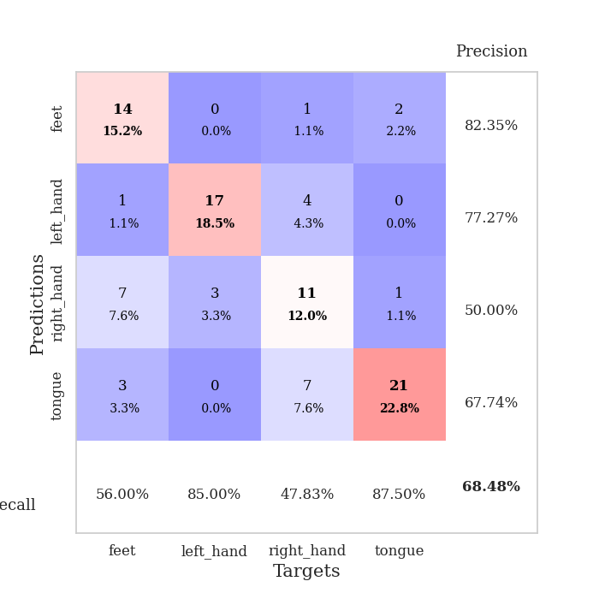
1.0115177372 | 2.1074080882 | 0.25543478261 | 0.21739130435 | 0.20959615707 | 25.543478261 | 21.739130435
0.94906115014 | 1.2277690431 | 0.25543478261 | 0.21739130435 | 0.21024489403 | 25.543478261 | 21.739130435
0.96734766079 | 1.1242226829 | 0.4972826087 | 0.48913043478 | 0.20656824112 | 49.72826087 | 48.913043478
0.98955527337 | 2.5192609455 | 0.25543478261 | 0.21739130435 | 0.20871686935 | 25.543478261 | 21.739130435
1.0101356999 | 7.870172086 | 0.25543478261 | 0.21739130435 | 0.21029138565 | 25.543478261 | 21.739130435
1.0040234509 | 12.191533752 | 0.25543478261 | 0.21739130435 | 0.21037554741 | 25.543478261 | 21.739130435
0.92724852977 | 14.102554985 | 0.25543478261 | 0.21739130435 | 0.21042943001 | 25.543478261 | 21.739130435
0.95615648446 | 12.326782185 | 0.25543478261 | 0.21739130435 | 0.21133780479 | 25.543478261 | 21.739130435
0.92547695015 | 7.5616255636 | 0.25543478261 | 0.21739130435 | 0.21223807335 | 25.543478261 | 21.739130435
0.99308851232 | 8.7271140555 | 0.25543478261 | 0.21739130435 | 0.21160149574 | 25.543478261 | 21.739130435
0.86593966121 | 8.0558757367 | 0.25543478261 | 0.21739130435 | 0.21115207672 | 25.543478261 | 21.739130435
0.98107035782 | 6.8495892442 | 0.25543478261 | 0.21739130435 | 0.21118879318 | 25.543478261 | 21.739130435
1.034795546 | 5.9986010012 | 0.25543478261 | 0.21739130435 | 0.2142701149 | 25.543478261 | 21.739130435
0.93415885386 | 10.333627908 | 0.25543478261 | 0.21739130435 | 0.21201205254 | 25.543478261 | 21.739130435
0.95162298109 | 9.3755172647 | 0.25543478261 | 0.21739130435 | 0.21278834343 | 25.543478261 | 21.739130435
0.89331688052 | 9.158437024 | 0.25543478261 | 0.21739130435 | 0.21071815491 | 25.543478261 | 21.739130435
0.9505508853 | 5.6626873638 | 0.25543478261 | 0.21739130435 | 0.21109580994 | 25.543478261 | 21.739130435
0.90892804187 | 6.5339477373 | 0.25543478261 | 0.21739130435 | 0.21122479439 | 25.543478261 | 21.739130435
0.86219521709 | 7.5549461531 | 0.25543478261 | 0.21739130435 | 0.2099506855 | 25.543478261 | 21.739130435
0.95916302049 | 6.3147368846 | 0.25543478261 | 0.21739130435 | 0.20908808708 | 25.543478261 | 21.739130435
0.93723793652 | 6.4640710043 | 0.25543478261 | 0.21739130435 | 0.21389722824 | 25.543478261 | 21.739130435
0.87771811952 | 5.4170002315 | 0.25543478261 | 0.21739130435 | 0.21130847931 | 25.543478261 | 21.739130435
0.909013007 | 5.3510665272 | 0.25543478261 | 0.21739130435 | 0.21289348602 | 25.543478261 | 21.739130435
0.87260290851 | 4.2137105569 | 0.25543478261 | 0.21739130435 | 0.21099424362 | 25.543478261 | 21.739130435
0.84204284782 | 2.6756023842 | 0.25543478261 | 0.21739130435 | 0.21002602577 | 25.543478261 | 21.739130435
0.88872913433 | 2.2189780318 | 0.25543478261 | 0.21739130435 | 0.21185898781 | 25.543478261 | 21.739130435
0.92975295627 | 1.4481677439 | 0.25543478261 | 0.21739130435 | 0.21015715599 | 25.543478261 | 21.739130435
0.85977704629 | 1.1561301377 | 0.25543478261 | 0.21739130435 | 0.21088123322 | 25.543478261 | 21.739130435
0.88285268649 | 1.1460092223 | 0.25543478261 | 0.21739130435 | 0.21235394478 | 25.543478261 | 21.739130435
0.88545718919 | 1.0595217373 | 0.25543478261 | 0.21739130435 | 0.21245884895 | 25.543478261 | 21.739130435
0.88101034061 | 0.97126610901 | 0.25543478261 | 0.21739130435 | 0.21133160591 | 25.543478261 | 21.739130435
0.9124471001 | 0.91221542721 | 0.25543478261 | 0.21739130435 | 0.21175861359 | 25.543478261 | 21.739130435

Best Val accuracy is 0.4891304347826087 and Best test accuracy is 0.5172413793103449

Sheet3
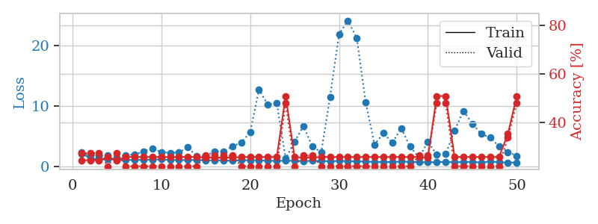
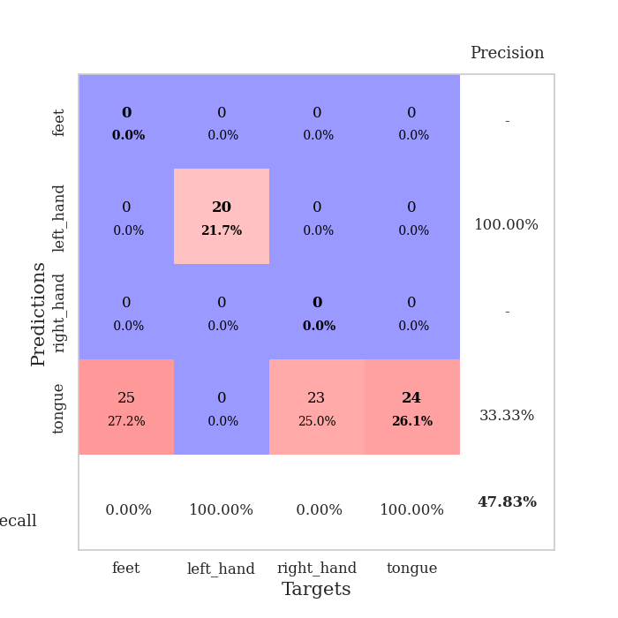
train_loss | valid_loss | train_accuracy | valid_accuracy | dur | train_misclass | valid_misclass
3.35386156 | 17.165549983 | 0.2527173913 | 0.26086956522 | 0.082415103912 | 25.27173913 | 26.086956522
1.3677970275 | 8.4462985578 | 0.2527173913 | 0.26086956522 | 0.084147691727 | 25.27173913 | 26.086956522
1.1947468545 | 2.7128067224 | 0.33967391304 | 0.35869565217 | 0.081093072891 | 33.967391304 | 35.869565217
1.0581954199 | 1.6968458165 | 0.54891304348 | 0.51086956522 | 0.081134796143 | 54.891304348 | 51.086956522
0.90030155493 | 1.5511550955 | 0.60597826087 | 0.58695652174 | 0.08109331131 | 60.597826087 | 58.695652174
0.83370624807 | 1.1540501273 | 0.75543478261 | 0.59782608696 | 0.080839157104 | 75.543478261 | 59.782608696
0.75299800349 | 1.1662210226 | 0.79347826087 | 0.58695652174 | 0.081016778946 | 79.347826087 | 58.695652174
0.73977263596 | 1.2474701301 | 0.65760869565 | 0.52173913043 | 0.080960035324 | 65.760869565 | 52.173913043
0.6493114233 | 1.3931157537 | 0.71467391304 | 0.5652173913 | 0.08088517189 | 71.467391304 | 56.52173913
0.577084288 | 1.3857923642 | 0.72282608696 | 0.54347826087 | 0.080653905869 | 72.282608696 | 54.347826087
0.59297039263 | 1.1681820569 | 0.73641304348 | 0.57608695652 | 0.080975294113 | 73.641304348 | 57.608695652
0.51530964997 | 1.2207553179 | 0.69836956522 | 0.57608695652 | 0.080850362778 | 69.836956522 | 57.608695652
0.43148690138 | 1.1280560182 | 0.73913043478 | 0.58695652174 | 0.080746412277 | 73.913043478 | 58.695652174
0.43415846384 | 1.2279233829 | 0.81793478261 | 0.59782608696 | 0.080845594406 | 81.793478261 | 59.782608696
0.38099397168 | 1.07678813 | 0.79347826087 | 0.67391304348 | 0.080760717392 | 79.347826087 | 67.391304348
0.30117498079 | 1.2735359824 | 0.73913043478 | 0.54347826087 | 0.080814599991 | 73.913043478 | 54.347826087
0.26073785256 | 1.0259114219 | 0.80706521739 | 0.6847826087 | 0.081145524979 | 80.706521739 | 68.47826087
0.33176119302 | 1.3090385821 | 0.77173913043 | 0.58695652174 | 0.08118391037 | 77.173913043 | 58.695652174
0.22000841926 | 0.89157110194 | 0.86413043478 | 0.67391304348 | 0.080649137497 | 86.413043478 | 67.391304348
0.20948436597 | 1.0662478364 | 0.8152173913 | 0.63043478261 | 0.080760002136 | 81.52173913 | 63.043478261
0.18133421024 | 1.2078831248 | 0.77445652174 | 0.61956521739 | 0.080737829208 | 77.445652174 | 61.956521739
0.21276524307 | 1.095209044 | 0.8097826087 | 0.65217391304 | 0.080642223358 | 80.97826087 | 65.217391304
0.17050739896 | 1.1545871341 | 0.83695652174 | 0.65217391304 | 0.0809674263 | 83.695652174 | 65.217391304
0.18935724056 | 1.057538004 | 0.86141304348 | 0.64130434783 | 0.081082105637 | 86.141304348 | 64.130434783
0.16562965755 | 1.0606383604 | 0.88315217391 | 0.65217391304 | 0.080711126328 | 88.315217391 | 65.217391304
0.15029969658 | 1.0616922923 | 0.84510869565 | 0.66304347826 | 0.080802679062 | 84.510869565 | 66.304347826
0.14218258501 | 0.90904712418 | 0.88858695652 | 0.69565217391 | 0.081066846848 | 88.858695652 | 69.565217391
0.14944480157 | 0.9473588674 | 0.91576086957 | 0.70652173913 | 0.08082818985 | 91.576086957 | 70.652173913
0.12286458707 | 1.1104859943 | 0.83967391304 | 0.65217391304 | 0.081062316895 | 83.967391304 | 65.217391304
0.14389701099 | 0.97420598372 | 0.91032608696 | 0.69565217391 | 0.083328485489 | 91.032608696 | 69.565217391
0.14720089102 | 1.0367940742 | 0.88586956522 | 0.67391304348 | 0.082826375961 | 88.586956522 | 67.391304348
0.11827285968 | 1.0003277763 | 0.90489130435 | 0.6847826087 | 0.080864429474 | 90.489130435 | 68.47826087
0.1195660061 | 1.0330645494 | 0.89945652174 | 0.67391304348 | 0.080942392349 | 89.945652174 | 67.391304348
0.074348244917 | 1.0114736091 | 0.94565217391 | 0.67391304348 | 0.081060171127 | 94.565217391 | 67.391304348
0.089237757999 | 1.0175195945 | 0.92663043478 | 0.6847826087 | 0.080829143524 | 92.663043478 | 68.47826087
0.071258665386 | 1.0194421022 | 0.90760869565 | 0.6847826087 | 0.081005573273 | 90.760869565 | 68.47826087
0.089872583544 | 1.0825849253 | 0.91847826087 | 0.66304347826 | 0.080850839615 | 91.847826087 | 66.304347826
0.11804968842 | 1.0694828344 | 0.92391304348 | 0.6847826087 | 0.08158159256 | 92.391304348 | 68.47826087
0.09033197533 | 1.0543609883 | 0.93206521739 | 0.69565217391 | 0.081491947174 | 93.206521739 | 69.565217391
0.080647298864 | 1.0578474428 | 0.9347826087 | 0.67391304348 | 0.081519603729 | 93.47826087 | 67.391304348
0.067644603793 | 1.0567338052 | 0.9402173913 | 0.6847826087 | 0.08137178421 | 94.02173913 | 68.47826087
0.11376738901 | 1.0392385086 | 0.95108695652 | 0.69565217391 | 0.081346511841 | 95.108695652 | 69.565217391
0.04926584086 | 1.0550009867 | 0.95380434783 | 0.69565217391 | 0.081560611725 | 95.380434783 | 69.565217391
0.075240553357 | 1.0630752885 | 0.95108695652 | 0.69565217391 | 0.081298112869 | 95.108695652 | 69.565217391
0.065242905008 | 1.0729571205 | 0.94836956522 | 0.6847826087 | 0.081490516663 | 94.836956522 | 68.47826087
0.074317640544 | 1.0733606388 | 0.94836956522 | 0.69565217391 | 0.081573486328 | 94.836956522 | 69.565217391
0.076445411405 | 1.0686472304 | 0.94836956522 | 0.69565217391 | 0.081485748291 | 94.836956522 | 69.565217391
0.090883991519 | 1.0635552691 | 0.94836956522 | 0.69565217391 | 0.081392765045 | 94.836956522 | 69.565217391
0.064452147111 | 1.0617308837 | 0.95108695652 | 0.69565217391 | 0.081470966339 | 95.108695652 | 69.565217391
0.055272899062 | 1.0616566979 | 0.95380434783 | 0.69565217391 | 0.081492185593 | 95.380434783 | 69.565217391

Best Val accuracy is 0.7065217391304348 and Best test accuracy is 0.646551724137931
train_loss | valid_loss | train_accuracy | valid_accuracy | dur | train_misclass | valid_misclass
2.2726566792 | 2.0104865199 | 0.24184782609 | 0.27173913043 | 0.21021556854 | 24.184782609 | 27.173913043
1.2529153357 | 1.9767226136 | 0.24184782609 | 0.27173913043 | 0.21143007278 | 24.184782609 | 27.173913043
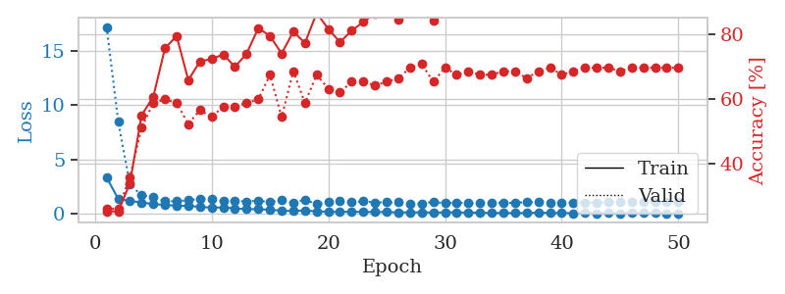
1.1443844749 | 1.7248523391 | 0.24184782609 | 0.27173913043 | 0.21300625801 | 24.184782609 | 27.173913043
1.1433614803 | 1.7776676105 | 0.25543478261 | 0.21739130435 | 0.2129278183 | 25.543478261 | 21.739130435
1.1152105513 | 1.495651271 | 0.24184782609 | 0.27173913043 | 0.21481561661 | 24.184782609 | 27.173913043
1.0672439026 | 1.8272146557 | 0.25543478261 | 0.21739130435 | 0.21413421631 | 25.543478261 | 21.739130435
1.010143661 | 1.9793012971 | 0.25543478261 | 0.21739130435 | 0.21252346039 | 25.543478261 | 21.739130435
1.0606102814 | 2.429773963 | 0.25543478261 | 0.21739130435 | 0.20944476128 | 25.543478261 | 21.739130435
1.1106020653 | 2.9579207897 | 0.25543478261 | 0.21739130435 | 0.21020126343 | 25.543478261 | 21.739130435
1.1319454312 | 2.3489682778 | 0.25543478261 | 0.21739130435 | 0.2103061676 | 25.543478261 | 21.739130435
1.053199426 | 2.2132109974 | 0.25543478261 | 0.21739130435 | 0.21059083939 | 25.543478261 | 21.739130435
1.0121510055 | 2.3051728477 | 0.25543478261 | 0.21739130435 | 0.21134805679 | 25.543478261 | 21.739130435
1.0213111846 | 3.1098486133 | 0.25543478261 | 0.21739130435 | 0.21012187004 | 25.543478261 | 21.739130435
1.0297594148 | 1.6324597908 | 0.25543478261 | 0.21739130435 | 0.2090690136 | 25.543478261 | 21.739130435
0.94664129485 | 1.6668279897 | 0.2527173913 | 0.26086956522 | 0.20933365822 | 25.27173913 | 26.086956522
0.99449938536 | 2.4473541612 | 0.2527173913 | 0.26086956522 | 0.2088098526 | 25.27173913 | 26.086956522
0.95640093606 | 2.4416229518 | 0.2527173913 | 0.26086956522 | 0.20820856094 | 25.27173913 | 26.086956522
0.89336009388 | 3.2556309182 | 0.2527173913 | 0.26086956522 | 0.21212434769 | 25.27173913 | 26.086956522
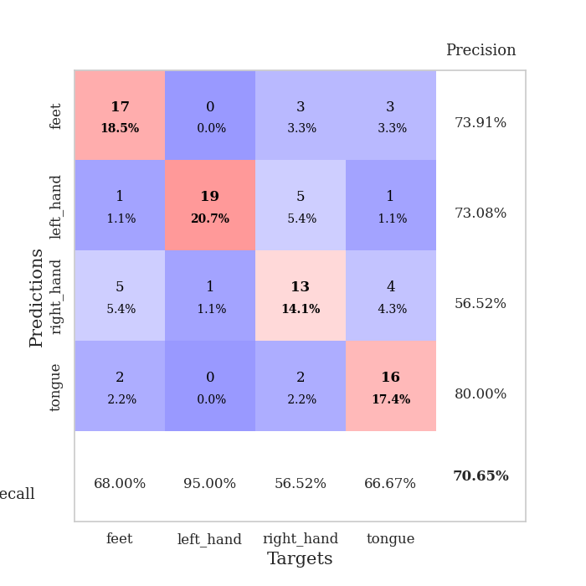
1.0070448932 | 3.9303536415 | 0.25543478261 | 0.21739130435 | 0.20958757401 | 25.543478261 | 21.739130435
0.97590998204 | 5.5863911795 | 0.25543478261 | 0.21739130435 | 0.21147227287 | 25.543478261 | 21.739130435
0.99046723739 | 12.661949489 | 0.25543478261 | 0.21739130435 | 0.2097902298 | 25.543478261 | 21.739130435
0.89635337695 | 10.173294026 | 0.25543478261 | 0.21739130435 | 0.2091627121 | 25.543478261 | 21.739130435
0.91056376955 | 10.472818084 | 0.25543478261 | 0.21739130435 | 0.2106282711 | 25.543478261 | 21.739130435
0.88431829473 | 1.2528897213 | 0.50815217391 | 0.47826086957 | 0.21138906479 | 50.815217391 | 47.826086957
0.91712111753 | 4.0597962297 | 0.25543478261 | 0.21739130435 | 0.2114815712 | 25.543478261 | 21.739130435
0.8448162027 | 6.6451778412 | 0.2527173913 | 0.26086956522 | 0.20993113518 | 25.27173913 | 26.086956522
0.88179822331 | 3.2429123443 | 0.2527173913 | 0.26086956522 | 0.20913314819 | 25.27173913 | 26.086956522
0.88479746165 | 2.3217518537 | 0.25543478261 | 0.21739130435 | 0.21201610565 | 25.543478261 | 21.739130435
0.80767809049 | 11.502520976 | 0.25543478261 | 0.21739130435 | 0.2112390995 | 25.543478261 | 21.739130435
0.88414871952 | 21.833849451 | 0.25543478261 | 0.21739130435 | 0.21044301987 | 25.543478261 | 21.739130435
0.85001198364 | 24.111980355 | 0.25543478261 | 0.21739130435 | 0.20983600616 | 25.543478261 | 21.739130435
0.78744583804 | 21.218741044 | 0.25543478261 | 0.21739130435 | 0.21103620529 | 25.543478261 | 21.739130435
0.78092385245 | 10.581889277 | 0.25543478261 | 0.21739130435 | 0.21006298065 | 25.543478261 | 21.739130435
0.70669478178 | 3.5766744199 | 0.25543478261 | 0.21739130435 | 0.2136695385 | 25.543478261 | 21.739130435
0.71107477468 | 5.4740251666 | 0.25543478261 | 0.21739130435 | 0.21065998077 | 25.543478261 | 21.739130435
0.69181632866 | 3.8952282823 | 0.25543478261 | 0.21739130435 | 0.21185016632 | 25.543478261 | 21.739130435
0.77395580644 | 6.2702877832 | 0.25543478261 | 0.21739130435 | 0.2112019062 | 25.543478261 | 21.739130435
0.73213454044 | 3.2478585347 | 0.25543478261 | 0.21739130435 | 0.20910429955 | 25.543478261 | 21.739130435
0.66747730452 | 1.4216586351 | 0.25543478261 | 0.26086956522 | 0.21068692207 | 25.543478261 | 26.086956522
0.66410502403 | 4.0224195874 | 0.2527173913 | 0.26086956522 | 0.20623135567 | 25.27173913 | 26.086956522
0.67217340547 | 1.9507361184 | 0.50815217391 | 0.47826086957 | 0.2132461071 | 50.815217391 | 47.826086957
0.71651636906 | 1.9984624179 | 0.50815217391 | 0.47826086957 | 0.21135473251 | 50.815217391 | 47.826086957
0.63660991969 | 5.9031185482 | 0.25543478261 | 0.21739130435 | 0.21052765846 | 25.543478261 | 21.739130435
0.69667608453 | 9.1568683541 | 0.25543478261 | 0.21739130435 | 0.21093082428 | 25.543478261 | 21.739130435
0.71882349253 | 7.0546121183 | 0.25543478261 | 0.21739130435 | 0.21167206764 | 25.543478261 | 21.739130435
0.61437399621 | 5.3312077108 | 0.25543478261 | 0.21739130435 | 0.21296143532 | 25.543478261 | 21.739130435
0.78594849939 | 4.7570521935 | 0.25543478261 | 0.21739130435 | 0.2119178772 | 25.543478261 | 21.739130435
0.64723944146 | 3.2759974003 | 0.25543478261 | 0.21739130435 | 0.21009898186 | 25.543478261 | 21.739130435
0.61511583173 | 2.3630040107 | 0.35054347826 | 0.33695652174 | 0.21349930763 | 35.054347826 | 33.695652174
0.60385452924 | 1.7239896163 | 0.50815217391 | 0.47826086957 | 0.21010375023 | 50.815217391 | 47.826086957

Best Val accuracy is 0.4782608695652174 and Best test accuracy is 0.49137931034482757

Sheet4
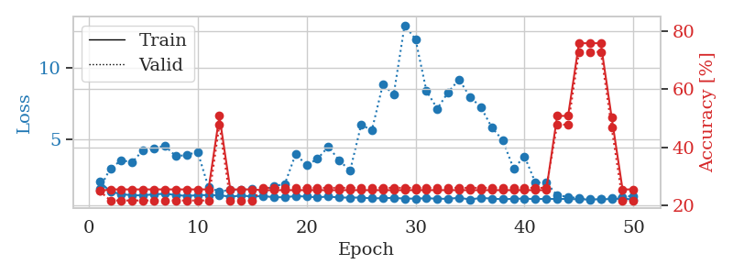
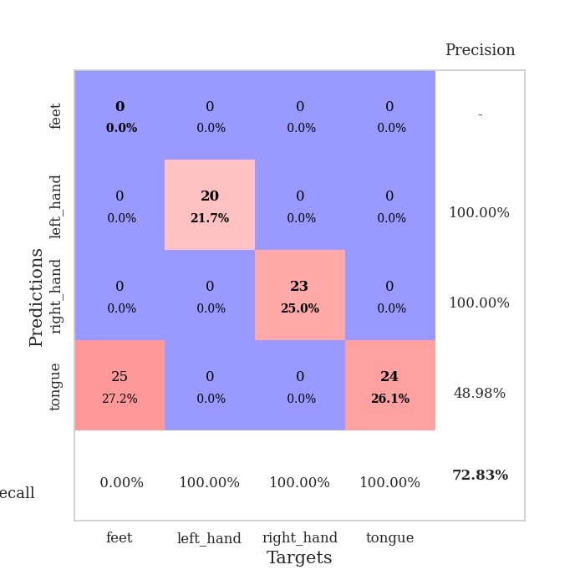
train_loss | valid_loss | train_accuracy | valid_accuracy | dur | train_misclass | valid_misclass
3.1356030754 | 7.8025781383 | 0.2527173913 | 0.26086956522 | 0.082909345627 | 25.27173913 | 26.086956522
1.3908639628 | 3.5470256702 | 0.3152173913 | 0.29347826087 | 0.081382513046 | 31.52173913 | 29.347826087
1.0254957209 | 3.3167552119 | 0.32608695652 | 0.3152173913 | 0.080822944641 | 32.608695652 | 31.52173913
0.94581755866 | 2.1559468871 | 0.48641304348 | 0.4347826087 | 0.081254959106 | 48.641304348 | 43.47826087
0.8514756962 | 1.8953483001 | 0.54347826087 | 0.51086956522 | 0.081157922745 | 54.347826087 | 51.086956522
0.69146032437 | 1.2030311667 | 0.80706521739 | 0.5652173913 | 0.081837654114 | 80.706521739 | 56.52173913
0.70169172404 | 1.3607957519 | 0.83152173913 | 0.55434782609 | 0.081616640091 | 83.152173913 | 55.434782609
0.56658018802 | 1.442621625 | 0.84782608696 | 0.58695652174 | 0.08157992363 | 84.782608696 | 58.695652174
0.53446549955 | 1.0204610047 | 0.8777173913 | 0.60869565217 | 0.081470966339 | 87.77173913 | 60.869565217
0.52311232945 | 1.1796459478 | 0.85869565217 | 0.58695652174 | 0.081528902054 | 85.869565217 | 58.695652174
0.48168470808 | 1.2353382733 | 0.89130434783 | 0.65217391304 | 0.081562042236 | 89.130434783 | 65.217391304
0.42200323745 | 1.007752631 | 0.83423913043 | 0.63043478261 | 0.081754922867 | 83.423913043 | 63.043478261
0.46673829335 | 1.1661093857 | 0.86956521739 | 0.5652173913 | 0.081687688828 | 86.956521739 | 56.52173913
0.41532501837 | 1.1249189688 | 0.94836956522 | 0.60869565217 | 0.081238508224 | 94.836956522 | 60.869565217
0.35489551075 | 1.0390402027 | 0.95652173913 | 0.61956521739 | 0.081580400467 | 95.652173913 | 61.956521739
0.30861606935 | 1.1262895983 | 0.89673913043 | 0.61956521739 | 0.081332445145 | 89.673913043 | 61.956521739
0.32452144895 | 0.99472308677 | 0.91576086957 | 0.67391304348 | 0.081303119659 | 91.576086957 | 67.391304348
0.32328933089 | 1.0535147708 | 0.97282608696 | 0.65217391304 | 0.081520557404 | 97.282608696 | 65.217391304
0.27467045091 | 1.0203332849 | 0.97554347826 | 0.66304347826 | 0.08157491684 | 97.554347826 | 66.304347826
0.2243699344 | 1.2373179664 | 0.89402173913 | 0.61956521739 | 0.08144903183 | 89.402173913 | 61.956521739
0.22088092047 | 1.1472418464 | 0.8777173913 | 0.59782608696 | 0.081380844116 | 87.77173913 | 59.782608696
0.20155882414 | 1.0466385691 | 0.91304347826 | 0.63043478261 | 0.080783367157 | 91.304347826 | 63.043478261
0.19437378467 | 1.2083279879 | 0.8777173913 | 0.59782608696 | 0.081248283386 | 87.77173913 | 59.782608696
0.1856592168 | 1.1956127856 | 0.89402173913 | 0.60869565217 | 0.0814640522 | 89.402173913 | 60.869565217
0.20181430569 | 1.1837666242 | 0.90760869565 | 0.61956521739 | 0.081028938293 | 90.760869565 | 61.956521739
0.17908974251 | 1.0471469734 | 0.92119565217 | 0.6847826087 | 0.08141708374 | 92.119565217 | 68.47826087
0.18213002052 | 1.073835233 | 0.92119565217 | 0.64130434783 | 0.081623792648 | 92.119565217 | 64.130434783
0.15095107027 | 1.2248708191 | 0.88043478261 | 0.64130434783 | 0.080940485001 | 88.043478261 | 64.130434783
0.19301988314 | 1.094405068 | 0.9375 | 0.61956521739 | 0.08150434494 | 93.75 | 61.956521739
0.15147009557 | 1.2298937803 | 0.89402173913 | 0.64130434783 | 0.081351041794 | 89.402173913 | 64.130434783
0.14677267894 | 1.208826871 | 0.92934782609 | 0.63043478261 | 0.081474542618 | 92.934782609 | 63.043478261
0.12493883 | 1.0865700038 | 0.9375 | 0.65217391304 | 0.081131696701 | 93.75 | 65.217391304
0.15254130522 | 1.0988327213 | 0.95380434783 | 0.67391304348 | 0.081240415573 | 95.380434783 | 67.391304348
0.13117099719 | 1.1203751642 | 0.9347826087 | 0.65217391304 | 0.080908298492 | 93.47826087 | 65.217391304
0.10519107099 | 1.2505775068 | 0.90489130435 | 0.64130434783 | 0.080918073654 | 90.489130435 | 64.130434783
0.092876507091 | 1.0918361571 | 0.95652173913 | 0.6847826087 | 0.081184148788 | 95.652173913 | 68.47826087
0.13432780856 | 1.0923011329 | 0.94565217391 | 0.6847826087 | 0.081323623657 | 94.565217391 | 68.47826087
0.13595216499 | 1.1418812197 | 0.92934782609 | 0.63043478261 | 0.081022977829 | 92.934782609 | 63.043478261
0.10086438019 | 1.2160646397 | 0.91304347826 | 0.63043478261 | 0.080958843231 | 91.304347826 | 63.043478261
0.10131813719 | 1.2120579144 | 0.91847826087 | 0.64130434783 | 0.081212282181 | 91.847826087 | 64.130434783
0.10558622901 | 1.1827106813 | 0.9375 | 0.66304347826 | 0.080918312073 | 93.75 | 66.304347826
0.077722718656 | 1.1534149984 | 0.94293478261 | 0.66304347826 | 0.081019639969 | 94.293478261 | 66.304347826
0.12315226771 | 1.1860717535 | 0.94565217391 | 0.66304347826 | 0.081101894379 | 94.565217391 | 66.304347826
0.070347432088 | 1.1723051978 | 0.94836956522 | 0.66304347826 | 0.081266403198 | 94.836956522 | 66.304347826
0.10674818265 | 1.1544396022 | 0.94836956522 | 0.66304347826 | 0.080994844437 | 94.836956522 | 66.304347826
0.11390404014 | 1.1442036655 | 0.95108695652 | 0.65217391304 | 0.081300497055 | 95.108695652 | 65.217391304
0.071865717921 | 1.1414788339 | 0.95108695652 | 0.65217391304 | 0.08088517189 | 95.108695652 | 65.217391304
0.10998532075 | 1.1367842114 | 0.95380434783 | 0.65217391304 | 0.081153869629 | 95.380434783 | 65.217391304
0.10008386166 | 1.1343556772 | 0.95380434783 | 0.66304347826 | 0.081126928329 | 95.380434783 | 66.304347826
0.099587924414 | 1.1323875759 | 0.95923913043 | 0.66304347826 | 0.081110715866 | 95.923913043 | 66.304347826

Best Val accuracy is 0.6847826086956522 and Best test accuracy is 0.5948275862068966
train_loss | valid_loss | train_accuracy | valid_accuracy | dur | train_misclass | valid_misclass
2.0271897057 | 1.5472525721 | 0.25 | 0.25 | 0.2096529007 | 25 | 25
1.3406835328 | 2.9621358021 | 0.25543478261 | 0.21739130435 | 0.21234512329 | 25.543478261 | 21.739130435
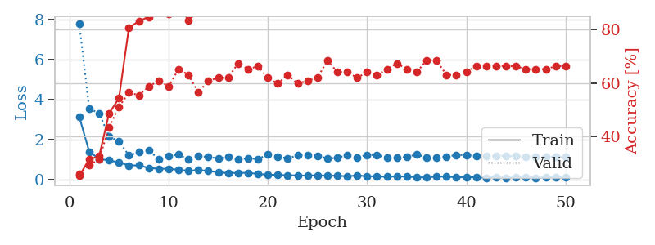
1.1627001063 | 3.5225504585 | 0.25543478261 | 0.21739130435 | 0.20881056786 | 25.543478261 | 21.739130435
1.0842432146 | 3.3912994551 | 0.25543478261 | 0.21739130435 | 0.21046495438 | 25.543478261 | 21.739130435
1.0813312245 | 4.2365254527 | 0.25543478261 | 0.21739130435 | 0.21092772484 | 25.543478261 | 21.739130435
1.1555332852 | 4.3655751477 | 0.25543478261 | 0.21739130435 | 0.21150326729 | 25.543478261 | 21.739130435
1.1854300577 | 4.5373210907 | 0.25543478261 | 0.21739130435 | 0.21273756027 | 25.543478261 | 21.739130435
1.1121243757 | 3.8075691617 | 0.25543478261 | 0.21739130435 | 0.21401643753 | 25.543478261 | 21.739130435
1.0318340763 | 3.8909661666 | 0.25543478261 | 0.21739130435 | 0.21150636673 | 25.543478261 | 21.739130435
1.0974351893 | 4.1117263048 | 0.25543478261 | 0.21739130435 | 0.21151995659 | 25.543478261 | 21.739130435
1.0933457872 | 1.6402105663 | 0.25543478261 | 0.21739130435 | 0.21256661415 | 25.543478261 | 21.739130435
1.0878536209 | 1.3479622136 | 0.50815217391 | 0.47826086957 | 0.21108007431 | 50.815217391 | 47.826086957
0.98636574071 | 1.4544913095 | 0.25543478261 | 0.21739130435 | 0.20888853073 | 25.543478261 | 21.739130435
1.065017454 | 1.477899427 | 0.25543478261 | 0.21739130435 | 0.20919680595 | 25.543478261 | 21.739130435
0.99975962743 | 1.5017869835 | 0.25543478261 | 0.21739130435 | 0.20884251595 | 25.543478261 | 21.739130435
1.0286237934 | 1.37843528 | 0.2527173913 | 0.26086956522 | 0.21202468872 | 25.27173913 | 26.086956522
0.94919129817 | 1.7253943578 | 0.2527173913 | 0.26086956522 | 0.21152710915 | 25.27173913 | 26.086956522
0.9458349062 | 1.867526552 | 0.2527173913 | 0.26086956522 | 0.21205878258 | 25.27173913 | 26.086956522
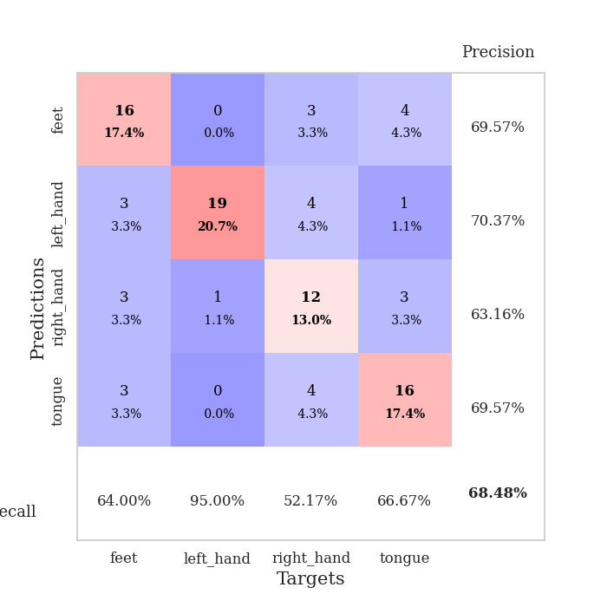
1.0293204214 | 3.9556120168 | 0.2527173913 | 0.26086956522 | 0.20969295502 | 25.27173913 | 26.086956522
0.99024638663 | 3.1853149145 | 0.2527173913 | 0.26086956522 | 0.21184325218 | 25.27173913 | 26.086956522
0.94037819168 | 3.618714571 | 0.2527173913 | 0.26086956522 | 0.20983767509 | 25.27173913 | 26.086956522
0.99888923376 | 4.4804725854 | 0.2527173913 | 0.26086956522 | 0.21084690094 | 25.27173913 | 26.086956522
0.92813636427 | 3.4982158412 | 0.2527173913 | 0.26086956522 | 0.20843958855 | 25.27173913 | 26.086956522
0.92065434611 | 2.8091238582 | 0.2527173913 | 0.26086956522 | 0.20914673805 | 25.27173913 | 26.086956522
0.92472959342 | 5.9776263859 | 0.2527173913 | 0.26086956522 | 0.2099571228 | 25.27173913 | 26.086956522
0.86870935948 | 5.6404350322 | 0.2527173913 | 0.26086956522 | 0.21211409569 | 25.27173913 | 26.086956522
0.88227729435 | 8.8016782429 | 0.2527173913 | 0.26086956522 | 0.21194863319 | 25.27173913 | 26.086956522
0.90104587959 | 8.1224268208 | 0.2527173913 | 0.26086956522 | 0.20935440063 | 25.27173913 | 26.086956522
0.85286738302 | 12.943819336 | 0.2527173913 | 0.26086956522 | 0.2148296833 | 25.27173913 | 26.086956522
0.85264039558 | 11.965861652 | 0.2527173913 | 0.26086956522 | 0.21180772781 | 25.27173913 | 26.086956522
0.87849415904 | 8.3565438519 | 0.2527173913 | 0.26086956522 | 0.21110510826 | 25.27173913 | 26.086956522
0.84466294361 | 7.1238842632 | 0.2527173913 | 0.26086956522 | 0.21082210541 | 25.27173913 | 26.086956522
0.83916288614 | 8.2774434297 | 0.2527173913 | 0.26086956522 | 0.21035671234 | 25.27173913 | 26.086956522
0.9075354856 | 9.1596920594 | 0.2527173913 | 0.26086956522 | 0.21129441261 | 25.27173913 | 26.086956522
0.79539899722 | 7.9419749094 | 0.2527173913 | 0.26086956522 | 0.21248078346 | 25.27173913 | 26.086956522
0.89584618548 | 7.228521741 | 0.2527173913 | 0.26086956522 | 0.21449255943 | 25.27173913 | 26.086956522
0.85526764911 | 5.8124867108 | 0.2527173913 | 0.26086956522 | 0.21093869209 | 25.27173913 | 26.086956522
0.80492796587 | 4.9239462148 | 0.2527173913 | 0.26086956522 | 0.21281003952 | 25.27173913 | 26.086956522
0.83850863965 | 2.9383909806 | 0.2527173913 | 0.26086956522 | 0.21225452423 | 25.27173913 | 26.086956522
0.85333693675 | 3.7997878012 | 0.2527173913 | 0.26086956522 | 0.21262216568 | 25.27173913 | 26.086956522
0.8193176609 | 1.9661018123 | 0.2527173913 | 0.26086956522 | 0.21209836006 | 25.27173913 | 26.086956522
0.83361436751 | 1.9832197428 | 0.2527173913 | 0.26086956522 | 0.21298885345 | 25.27173913 | 26.086956522
0.82710635921 | 1.0653727806 | 0.50815217391 | 0.47826086957 | 0.21334147453 | 50.815217391 | 47.826086957
0.82727602513 | 0.9813636049 | 0.50815217391 | 0.47826086957 | 0.21048545837 | 50.815217391 | 47.826086957
0.80127115094 | 0.86920647258 | 0.75815217391 | 0.72826086957 | 0.21079492569 | 75.815217391 | 72.826086957
0.79196141207 | 0.81128887508 | 0.75815217391 | 0.72826086957 | 0.21183872223 | 75.815217391 | 72.826086957
0.80989001627 | 0.8503748619 | 0.75815217391 | 0.72826086957 | 0.208953619 | 75.815217391 | 72.826086957
0.81787020227 | 0.88613643594 | 0.5027173913 | 0.46739130435 | 0.20856308937 | 50.27173913 | 46.739130435
0.85775651362 | 0.95830504013 | 0.25543478261 | 0.21739130435 | 0.21117901802 | 25.543478261 | 21.739130435
0.78245468891 | 1.0518137424 | 0.25543478261 | 0.21739130435 | 0.20887446404 | 25.543478261 | 21.739130435

Best Val accuracy is 0.7282608695652174 and Best test accuracy is 0.7413793103448276

Sheet5
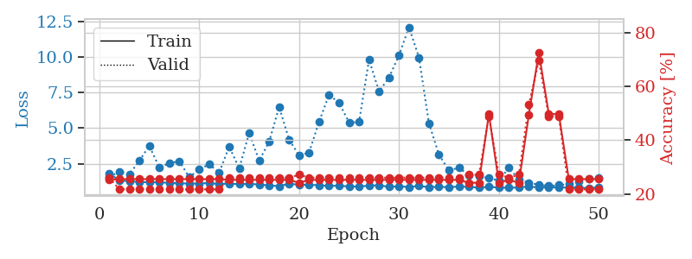
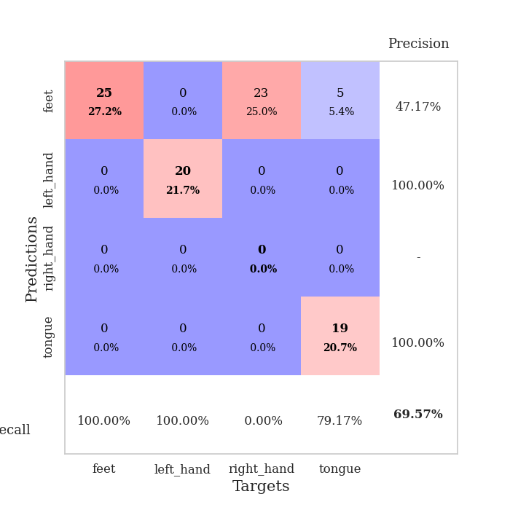
train_loss | valid_loss | train_accuracy | valid_accuracy | dur | train_misclass | valid_misclass
3.3749517151 | 4.5547283318 | 0.26086956522 | 0.27173913043 | 0.081064939499 | 26.086956522 | 27.173913043
1.4868365889 | 5.2597915193 | 0.2527173913 | 0.26086956522 | 0.091168165207 | 25.27173913 | 26.086956522
1.1122859846 | 3.1306588235 | 0.30434782609 | 0.30434782609 | 0.082314014435 | 30.434782609 | 30.434782609
0.94171256864 | 1.7634899202 | 0.50543478261 | 0.42391304348 | 0.081807136536 | 50.543478261 | 42.391304348
0.82614805128 | 1.9626454478 | 0.53260869565 | 0.42391304348 | 0.081627845764 | 53.260869565 | 42.391304348
0.75558322798 | 1.0958467359 | 0.76902173913 | 0.5652173913 | 0.096586942673 | 76.902173913 | 56.52173913
0.66195628436 | 0.96254317398 | 0.83695652174 | 0.59782608696 | 0.085772037506 | 83.695652174 | 59.782608696
0.60417534476 | 1.0032265834 | 0.83967391304 | 0.58695652174 | 0.080060482025 | 83.967391304 | 58.695652174
0.50598109546 | 0.9132787067 | 0.84239130435 | 0.65217391304 | 0.079173088074 | 84.239130435 | 65.217391304
0.52767945956 | 1.0272288789 | 0.90760869565 | 0.58695652174 | 0.078814983368 | 90.760869565 | 58.695652174
0.53117920264 | 1.0284155918 | 0.88858695652 | 0.60869565217 | 0.078564167023 | 88.858695652 | 60.869565217
0.47377875836 | 0.90475791952 | 0.88586956522 | 0.59782608696 | 0.07891869545 | 88.586956522 | 59.782608696
0.4027577833 | 0.93547652338 | 0.92934782609 | 0.58695652174 | 0.080807685852 | 92.934782609 | 58.695652174
0.36895408352 | 0.8627741881 | 0.91576086957 | 0.58695652174 | 0.080057859421 | 91.576086957 | 58.695652174
0.37987157314 | 0.87125132136 | 0.89402173913 | 0.63043478261 | 0.079994440079 | 89.402173913 | 63.043478261
0.34247437314 | 0.97863001409 | 0.91032608696 | 0.64130434783 | 0.079889535904 | 91.032608696 | 64.130434783
0.29365227955 | 1.0380158139 | 0.88315217391 | 0.65217391304 | 0.079862833023 | 88.315217391 | 65.217391304
0.29212991375 | 0.92515525351 | 0.92119565217 | 0.70652173913 | 0.080061435699 | 92.119565217 | 70.652173913
0.28652671141 | 0.84139522651 | 0.90489130435 | 0.72826086957 | 0.080020904541 | 90.489130435 | 72.826086957
0.29237435531 | 0.90449333968 | 0.94836956522 | 0.71739130435 | 0.080094575882 | 94.836956522 | 71.739130435
0.25146188101 | 0.96705915358 | 0.96739130435 | 0.66304347826 | 0.079894065857 | 96.739130435 | 66.304347826
0.25224820265 | 0.99386835876 | 0.91304347826 | 0.66304347826 | 0.080091714859 | 91.304347826 | 66.304347826
0.23285963564 | 0.97990323409 | 0.94293478261 | 0.63043478261 | 0.079910516739 | 94.293478261 | 63.043478261
0.19184087516 | 0.95844013535 | 0.95380434783 | 0.67391304348 | 0.080007791519 | 95.380434783 | 67.391304348
0.22434212429 | 0.99026804903 | 0.9347826087 | 0.69565217391 | 0.08000421524 | 93.47826087 | 69.565217391
0.19851347788 | 1.0126329505 | 0.94565217391 | 0.65217391304 | 0.079944372177 | 94.565217391 | 65.217391304
0.21762238605 | 0.97229078542 | 0.94565217391 | 0.70652173913 | 0.079893112183 | 94.565217391 | 70.652173913
0.16136216761 | 1.0721493493 | 0.9347826087 | 0.65217391304 | 0.080017089844 | 93.47826087 | 65.217391304
0.15910978275 | 1.0104488031 | 0.95652173913 | 0.66304347826 | 0.079858779907 | 95.652173913 | 66.304347826
0.14909736456 | 1.0106288843 | 0.91576086957 | 0.64130434783 | 0.08002281189 | 91.576086957 | 64.130434783
0.15651673872 | 1.0024845885 | 0.94836956522 | 0.70652173913 | 0.079864025116 | 94.836956522 | 70.652173913
0.1634482168 | 0.97173551632 | 0.94293478261 | 0.66304347826 | 0.080015420914 | 94.293478261 | 66.304347826
0.12946403043 | 0.9622555401 | 0.96739130435 | 0.6847826087 | 0.080041408539 | 96.739130435 | 68.47826087
0.13639936094 | 0.99674995827 | 0.95652173913 | 0.6847826087 | 0.080003976822 | 95.652173913 | 68.47826087
0.10428624491 | 1.0169232021 | 0.94836956522 | 0.66304347826 | 0.079966068268 | 94.836956522 | 66.304347826
0.13190943286 | 1.0073794308 | 0.94293478261 | 0.6847826087 | 0.080123662949 | 94.293478261 | 68.47826087
0.12128999951 | 0.96146904904 | 0.96739130435 | 0.69565217391 | 0.080002784729 | 96.739130435 | 69.565217391
0.13768618044 | 1.0024258935 | 0.96467391304 | 0.6847826087 | 0.079996109009 | 96.467391304 | 68.47826087
0.13300846177 | 0.99543793046 | 0.97282608696 | 0.6847826087 | 0.079910755157 | 97.282608696 | 68.47826087
0.10727898497 | 0.98696504728 | 0.96739130435 | 0.69565217391 | 0.080084323883 | 96.739130435 | 69.565217391
0.094462549557 | 0.99043207583 | 0.97554347826 | 0.6847826087 | 0.079960823059 | 97.554347826 | 68.47826087
0.11521960746 | 1.0056024349 | 0.97554347826 | 0.6847826087 | 0.080348968506 | 97.554347826 | 68.47826087
0.12130843042 | 1.0104264332 | 0.98369565217 | 0.67391304348 | 0.080749034882 | 98.369565217 | 67.391304348
0.13378995483 | 1.004452016 | 0.98369565217 | 0.6847826087 | 0.080296516418 | 98.369565217 | 68.47826087
0.10039150346 | 0.98918323413 | 0.97826086957 | 0.69565217391 | 0.080482244492 | 97.826086957 | 69.565217391
0.10252717299 | 0.98279891325 | 0.98369565217 | 0.69565217391 | 0.080456972122 | 98.369565217 | 69.565217391
0.084091606266 | 0.98267911051 | 0.98369565217 | 0.69565217391 | 0.080444335938 | 98.369565217 | 69.565217391
0.08399056708 | 0.98253267744 | 0.98641304348 | 0.69565217391 | 0.081711053848 | 98.641304348 | 69.565217391
0.093097354812 | 0.98244229866 | 0.98913043478 | 0.69565217391 | 0.080768823624 | 98.913043478 | 69.565217391
0.096063081337 | 0.98226405486 | 0.98913043478 | 0.69565217391 | 0.08057975769 | 98.913043478 | 69.565217391

Best Val accuracy is 0.7282608695652174 and Best test accuracy is 0.603448275862069
train_loss | valid_loss | train_accuracy | valid_accuracy | dur | train_misclass | valid_misclass
1.8302455674 | 1.5798622577 | 0.2527173913 | 0.26086956522 | 0.20998358727 | 25.27173913 | 26.086956522
1.295089815 | 1.9310593916 | 0.25543478261 | 0.21739130435 | 0.213098526 | 25.543478261 | 21.739130435
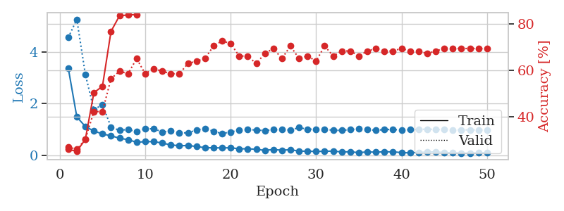
1.2848128547 | 1.7514079187 | 0.25543478261 | 0.21739130435 | 0.21395969391 | 25.543478261 | 21.739130435
1.1910833146 | 2.6922678015 | 0.25543478261 | 0.21739130435 | 0.21301841736 | 25.543478261 | 21.739130435
1.2093935298 | 3.7489098777 | 0.25543478261 | 0.21739130435 | 0.21523189545 | 25.543478261 | 21.739130435
1.1857918034 | 2.2395817612 | 0.25543478261 | 0.21739130435 | 0.21475481987 | 25.543478261 | 21.739130435
1.1560974095 | 2.5281578976 | 0.25543478261 | 0.21739130435 | 0.21264266968 | 25.543478261 | 21.739130435
1.1192918005 | 2.6791585114 | 0.25543478261 | 0.21739130435 | 0.21071147919 | 25.543478261 | 21.739130435
1.1047799691 | 1.5490870268 | 0.25543478261 | 0.21739130435 | 0.2117228508 | 25.543478261 | 21.739130435
1.1034980416 | 2.0898914648 | 0.25543478261 | 0.21739130435 | 0.21026611328 | 25.543478261 | 21.739130435
1.146863686 | 2.4567543631 | 0.25543478261 | 0.21739130435 | 0.20994091034 | 25.543478261 | 21.739130435
1.0585888184 | 1.8697290576 | 0.25543478261 | 0.21739130435 | 0.20892453194 | 25.543478261 | 21.739130435
1.1005266076 | 3.696973272 | 0.2527173913 | 0.26086956522 | 0.21264052391 | 25.27173913 | 26.086956522
1.0560732251 | 2.1623604557 | 0.2527173913 | 0.26086956522 | 0.20983839035 | 25.27173913 | 26.086956522
1.0858779679 | 4.6586282564 | 0.2527173913 | 0.26086956522 | 0.21120691299 | 25.27173913 | 26.086956522
1.0312878878 | 2.7120118038 | 0.2527173913 | 0.26086956522 | 0.21004748344 | 25.27173913 | 26.086956522
0.9737494251 | 4.0458782134 | 0.2527173913 | 0.26086956522 | 0.20925283432 | 25.27173913 | 26.086956522
0.9128618059 | 6.4796878151 | 0.2527173913 | 0.26086956522 | 0.21261548996 | 25.27173913 | 26.086956522
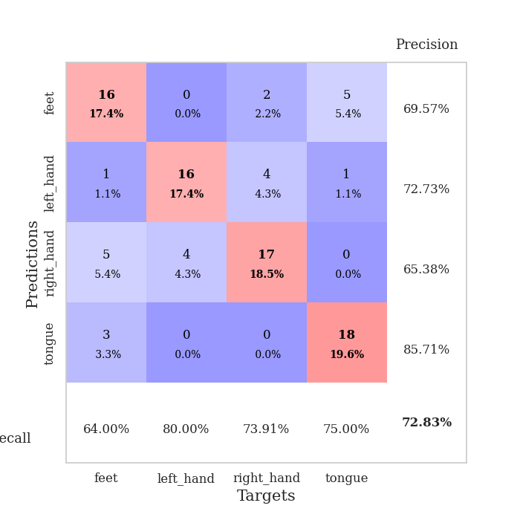
1.0984900697 | 4.1847886417 | 0.2527173913 | 0.26086956522 | 0.21225047112 | 25.27173913 | 26.086956522
1.0077537635 | 3.0736637115 | 0.24184782609 | 0.27173913043 | 0.21136641502 | 24.184782609 | 27.173913043
1.0177628657 | 3.2854522622 | 0.2527173913 | 0.26086956522 | 0.21348166466 | 25.27173913 | 26.086956522
0.98326909024 | 5.450488443 | 0.2527173913 | 0.26086956522 | 0.21260499954 | 25.27173913 | 26.086956522
0.93905897762 | 7.3431535182 | 0.2527173913 | 0.26086956522 | 0.21256756783 | 25.27173913 | 26.086956522
0.94516746635 | 6.7656533407 | 0.2527173913 | 0.26086956522 | 0.2158870697 | 25.27173913 | 26.086956522
0.89760381243 | 5.3955523657 | 0.2527173913 | 0.26086956522 | 0.20719671249 | 25.27173913 | 26.086956522
0.88932960189 | 5.4156746035 | 0.2527173913 | 0.26086956522 | 0.21233582497 | 25.27173913 | 26.086956522
0.95701846869 | 9.8075576451 | 0.2527173913 | 0.26086956522 | 0.21126079559 | 25.27173913 | 26.086956522
0.97838356184 | 7.5733626822 | 0.2527173913 | 0.26086956522 | 0.21180200577 | 25.27173913 | 26.086956522
0.87078627296 | 8.5421068772 | 0.2527173913 | 0.26086956522 | 0.21358585358 | 25.27173913 | 26.086956522
0.90704021247 | 10.119125117 | 0.2527173913 | 0.26086956522 | 0.21136403084 | 25.27173913 | 26.086956522
0.85992259046 | 12.085801332 | 0.2527173913 | 0.26086956522 | 0.21141171455 | 25.27173913 | 26.086956522
0.92619538048 | 9.9531805204 | 0.2527173913 | 0.26086956522 | 0.2114303112 | 25.27173913 | 26.086956522
0.85452618806 | 5.331948923 | 0.2527173913 | 0.26086956522 | 0.2113878727 | 25.27173913 | 26.086956522
0.8657788738 | 3.129110782 | 0.2527173913 | 0.26086956522 | 0.21370220184 | 25.27173913 | 26.086956522
0.84963524601 | 2.0235015931 | 0.2527173913 | 0.26086956522 | 0.21053409576 | 25.27173913 | 26.086956522
0.8926841202 | 2.2132635946 | 0.2527173913 | 0.26086956522 | 0.21071982384 | 25.27173913 | 26.086956522
0.87760455453 | 1.6900837473 | 0.24184782609 | 0.27173913043 | 0.21018528938 | 24.184782609 | 27.173913043
0.81196517271 | 1.6178386937 | 0.24184782609 | 0.27173913043 | 0.21245598793 | 24.184782609 | 27.173913043
0.87224266581 | 1.4826479995 | 0.4972826087 | 0.48913043478 | 0.21318840981 | 49.72826087 | 48.913043478
0.82056642615 | 1.3066587189 | 0.24184782609 | 0.27173913043 | 0.21265387535 | 24.184782609 | 27.173913043
0.80617912178 | 2.2066853668 | 0.2527173913 | 0.26086956522 | 0.21546769142 | 25.27173913 | 26.086956522
0.82889901296 | 1.379095969 | 0.24184782609 | 0.27173913043 | 0.20420503616 | 24.184782609 | 27.173913043
0.90123002944 | 1.1534863503 | 0.49456521739 | 0.53260869565 | 0.21291232109 | 49.456521739 | 53.260869565
0.8165374787 | 1.0224418847 | 0.72554347826 | 0.69565217391 | 0.21320772171 | 72.554347826 | 69.565217391
0.83695845759 | 0.93189382035 | 0.4972826087 | 0.48913043478 | 0.21217536926 | 49.72826087 | 48.913043478
0.81642718678 | 0.98926694497 | 0.4972826087 | 0.48913043478 | 0.21140885353 | 49.72826087 | 48.913043478
0.83258774488 | 1.0617577667 | 0.25543478261 | 0.21739130435 | 0.21022033691 | 25.543478261 | 21.739130435
0.81724190712 | 1.2731299608 | 0.25543478261 | 0.21739130435 | 0.21248006821 | 25.543478261 | 21.739130435
0.77843888169 | 1.4235655121 | 0.25543478261 | 0.21739130435 | 0.21225166321 | 25.543478261 | 21.739130435
0.84014671263 | 1.5322543901 | 0.25543478261 | 0.21739130435 | 0.21261835098 | 25.543478261 | 21.739130435

Best Val accuracy is 0.6956521739130435 and Best test accuracy is 0.7155172413793104

Sheet6
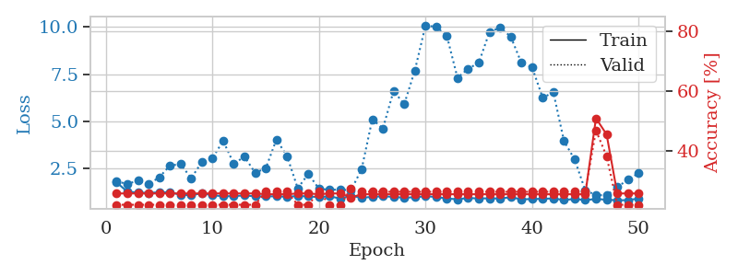
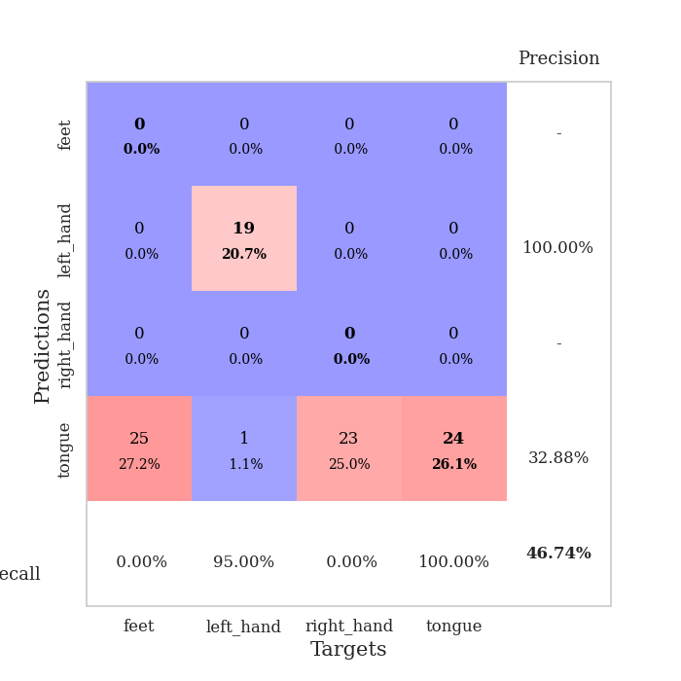
train_loss | valid_loss | train_accuracy | valid_accuracy | dur | train_misclass | valid_misclass
3.1557036897 | 2.8722496758 | 0.375 | 0.34782608696 | 0.081959009171 | 37.5 | 34.782608696
1.352601751 | 4.4898666506 | 0.25543478261 | 0.27173913043 | 0.080058574677 | 25.543478261 | 27.173913043
1.0536848242 | 2.0926675745 | 0.42119565217 | 0.34782608696 | 0.080414533615 | 42.119565217 | 34.782608696
0.90463037335 | 2.2939303854 | 0.42663043478 | 0.41304347826 | 0.080951452255 | 42.663043478 | 41.304347826
0.8542786707 | 1.62304475 | 0.59510869565 | 0.48913043478 | 0.080363273621 | 59.510869565 | 48.913043478
0.69849946836 | 1.1235996485 | 0.79891304348 | 0.55434782609 | 0.080236434937 | 79.891304348 | 55.434782609
0.56016137807 | 1.2917413245 | 0.79891304348 | 0.58695652174 | 0.086110591888 | 79.891304348 | 58.695652174
0.58267904818 | 1.0231326171 | 0.83695652174 | 0.59782608696 | 0.080848455429 | 83.695652174 | 59.782608696
0.45975726713 | 0.96845883649 | 0.8097826087 | 0.63043478261 | 0.080701351166 | 80.97826087 | 63.043478261
0.44389668107 | 0.83218622726 | 0.92119565217 | 0.65217391304 | 0.084246635437 | 92.119565217 | 65.217391304
0.41762867667 | 0.856270943 | 0.88858695652 | 0.64130434783 | 0.081010818481 | 88.858695652 | 64.130434783
0.3954334123 | 0.87236100435 | 0.84782608696 | 0.61956521739 | 0.083967685699 | 84.782608696 | 61.956521739
0.47396988843 | 0.9779703047 | 0.85054347826 | 0.65217391304 | 0.083847045898 | 85.054347826 | 65.217391304
0.40915784531 | 0.77383857447 | 0.90760869565 | 0.63043478261 | 0.080400943756 | 90.760869565 | 63.043478261
0.3750916091 | 0.84463250637 | 0.89130434783 | 0.64130434783 | 0.080353975296 | 89.130434783 | 64.130434783
0.30122655112 | 0.83443337938 | 0.90489130435 | 0.66304347826 | 0.080457448959 | 90.489130435 | 66.304347826
0.32596824901 | 0.89001055386 | 0.89673913043 | 0.64130434783 | 0.08049082756 | 89.673913043 | 64.130434783
0.32139268712 | 0.93429863712 | 0.90217391304 | 0.6847826087 | 0.080414533615 | 90.217391304 | 68.47826087
0.24221705159 | 0.95313520535 | 0.92119565217 | 0.66304347826 | 0.080893993378 | 92.119565217 | 66.304347826
0.30614805286 | 1.1096555604 | 0.8777173913 | 0.69565217391 | 0.08056473732 | 87.77173913 | 69.565217391
0.26875394259 | 0.90078565349 | 0.89673913043 | 0.67391304348 | 0.080545663834 | 89.673913043 | 67.391304348
0.19247195416 | 0.93501222393 | 0.88858695652 | 0.65217391304 | 0.080382347107 | 88.858695652 | 65.217391304
0.228366213 | 0.97806191185 | 0.91032608696 | 0.69565217391 | 0.080579519272 | 91.032608696 | 69.565217391
0.22808878432 | 1.0028121808 | 0.88586956522 | 0.67391304348 | 0.080358743668 | 88.586956522 | 67.391304348
0.16903830384 | 0.96074158148 | 0.91304347826 | 0.69565217391 | 0.080450773239 | 91.304347826 | 69.565217391
0.16164953958 | 1.159542488 | 0.90217391304 | 0.64130434783 | 0.08055138588 | 90.217391304 | 64.130434783
0.19623988478 | 0.86802677033 | 0.95108695652 | 0.71739130435 | 0.080444335938 | 95.108695652 | 71.739130435
0.13886113011 | 1.0219196198 | 0.90217391304 | 0.6847826087 | 0.082216024399 | 90.217391304 | 68.47826087
0.14648052111 | 0.96306403953 | 0.8777173913 | 0.70652173913 | 0.080389976501 | 87.77173913 | 70.652173913
0.16681922924 | 0.88257197193 | 0.9375 | 0.71739130435 | 0.080384254456 | 93.75 | 71.739130435
0.17666053286 | 0.94426493671 | 0.93206521739 | 0.72826086957 | 0.080635547638 | 93.206521739 | 72.826086957
0.15951967288 | 0.90482528054 | 0.9375 | 0.71739130435 | 0.080538511276 | 93.75 | 71.739130435
0.14291711579 | 1.006717989 | 0.90217391304 | 0.66304347826 | 0.080469846725 | 90.217391304 | 66.304347826
0.11558601171 | 0.9268223287 | 0.9375 | 0.69565217391 | 0.080621957779 | 93.75 | 69.565217391
0.11468782308 | 1.0003789786 | 0.93206521739 | 0.6847826087 | 0.08031463623 | 93.206521739 | 68.47826087
0.10049556244 | 1.0671239003 | 0.92934782609 | 0.6847826087 | 0.081159591675 | 92.934782609 | 68.47826087
0.11451299278 | 1.0420596042 | 0.92663043478 | 0.6847826087 | 0.08046245575 | 92.663043478 | 68.47826087
0.12165035842 | 1.0885079607 | 0.91032608696 | 0.6847826087 | 0.080384969711 | 91.032608696 | 68.47826087
0.11852552742 | 1.0047013267 | 0.93206521739 | 0.6847826087 | 0.080359220505 | 93.206521739 | 68.47826087
0.15111820716 | 0.99668059401 | 0.94836956522 | 0.69565217391 | 0.080415487289 | 94.836956522 | 69.565217391
0.097514285706 | 0.9950018564 | 0.9402173913 | 0.6847826087 | 0.080799341202 | 94.02173913 | 68.47826087
0.093733414238 | 0.98989481511 | 0.94293478261 | 0.69565217391 | 0.080379962921 | 94.293478261 | 69.565217391
0.10632000839 | 1.0166917936 | 0.9375 | 0.69565217391 | 0.080375671387 | 93.75 | 69.565217391
0.11716229299 | 1.0409593466 | 0.9375 | 0.69565217391 | 0.080463647842 | 93.75 | 69.565217391
0.080991764836 | 1.0462939545 | 0.9375 | 0.69565217391 | 0.080379962921 | 93.75 | 69.565217391
0.0870543279 | 1.0417587355 | 0.94293478261 | 0.70652173913 | 0.080347776413 | 94.293478261 | 70.652173913
0.1049369031 | 1.0387319767 | 0.94293478261 | 0.70652173913 | 0.080432653427 | 94.293478261 | 70.652173913
0.13026583207 | 1.0347247344 | 0.95108695652 | 0.71739130435 | 0.080485105515 | 95.108695652 | 71.739130435
0.068680327912 | 1.0325191934 | 0.95108695652 | 0.71739130435 | 0.084178686142 | 95.108695652 | 71.739130435
0.12167108772 | 1.0305338755 | 0.95380434783 | 0.71739130435 | 0.080349206924 | 95.380434783 | 71.739130435

Best Val accuracy is 0.7282608695652174 and Best test accuracy is 0.6293103448275862
train_loss | valid_loss | train_accuracy | valid_accuracy | dur | train_misclass | valid_misclass
1.7621051954 | 1.8218080894 | 0.25543478261 | 0.21739130435 | 0.21157097816 | 25.543478261 | 21.739130435
1.2742609226 | 1.6746782272 | 0.25543478261 | 0.21739130435 | 0.21118187904 | 25.543478261 | 21.739130435
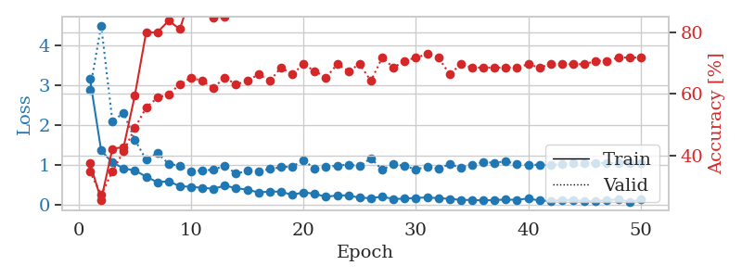
1.2257047632 | 1.8624721869 | 0.25543478261 | 0.21739130435 | 0.2097761631 | 25.543478261 | 21.739130435
1.213507134 | 1.6699815263 | 0.25543478261 | 0.21739130435 | 0.21233081818 | 25.543478261 | 21.739130435
1.2355944722 | 2.0298834987 | 0.25543478261 | 0.21739130435 | 0.21302628517 | 25.543478261 | 21.739130435
1.2450350886 | 2.6533590089 | 0.25543478261 | 0.21739130435 | 0.2123169899 | 25.543478261 | 21.739130435
1.1019895828 | 2.7347945338 | 0.25543478261 | 0.21739130435 | 0.20996975899 | 25.543478261 | 21.739130435
1.0864851838 | 1.9879749236 | 0.25543478261 | 0.21739130435 | 0.21158623695 | 25.543478261 | 21.739130435
1.1805797712 | 2.835806432 | 0.25543478261 | 0.21739130435 | 0.21066713333 | 25.543478261 | 21.739130435
1.0858791289 | 3.0532206763 | 0.25543478261 | 0.21739130435 | 0.21168851852 | 25.543478261 | 21.739130435
1.0269922744 | 3.966269887 | 0.25543478261 | 0.21739130435 | 0.20990848541 | 25.543478261 | 21.739130435
1.0380886327 | 2.7474870163 | 0.25543478261 | 0.21739130435 | 0.21051192284 | 25.543478261 | 21.739130435
1.0722813917 | 3.1312325104 | 0.25543478261 | 0.21739130435 | 0.21345663071 | 25.543478261 | 21.739130435
1.0267728256 | 2.2732564988 | 0.25543478261 | 0.21739130435 | 0.20942163467 | 25.543478261 | 21.739130435
1.0220102771 | 2.507620884 | 0.2527173913 | 0.26086956522 | 0.20924377441 | 25.27173913 | 26.086956522
1.0275100314 | 4.0342040166 | 0.2527173913 | 0.26086956522 | 0.20948219299 | 25.27173913 | 26.086956522
1.0010585396 | 3.163092437 | 0.2527173913 | 0.26086956522 | 0.21085190773 | 25.27173913 | 26.086956522
1.0429733136 | 1.4532940077 | 0.25543478261 | 0.21739130435 | 0.2099673748 | 25.543478261 | 21.739130435
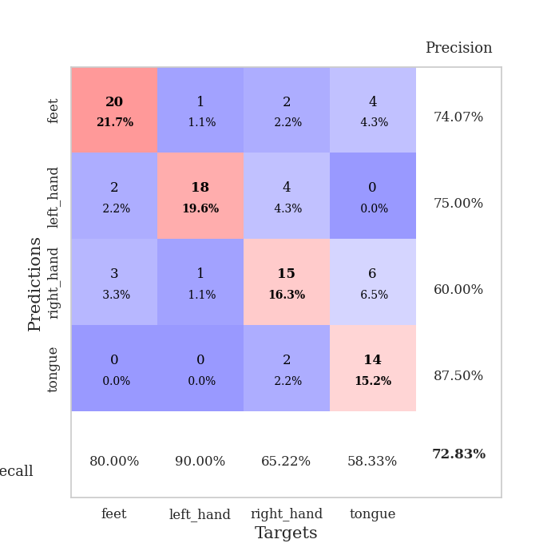
1.0210949157 | 2.2145568495 | 0.25543478261 | 0.21739130435 | 0.21170115471 | 25.543478261 | 21.739130435
0.98217240624 | 1.4216521149 | 0.2527173913 | 0.26086956522 | 0.20900321007 | 25.27173913 | 26.086956522
1.027084576 | 1.3754193265 | 0.25543478261 | 0.21739130435 | 0.21075701714 | 25.543478261 | 21.739130435
0.90687533306 | 1.3775289525 | 0.25543478261 | 0.21739130435 | 0.21541118622 | 25.543478261 | 21.739130435
1.0523716678 | 1.3501781536 | 0.24184782609 | 0.27173913043 | 0.21310973167 | 24.184782609 | 27.173913043
0.9507574439 | 2.4568324089 | 0.2527173913 | 0.26086956522 | 0.21345496178 | 25.27173913 | 26.086956522
0.99719342719 | 5.1075623346 | 0.2527173913 | 0.26086956522 | 0.21171307564 | 25.27173913 | 26.086956522
1.0294327036 | 4.6195685138 | 0.2527173913 | 0.26086956522 | 0.21255159378 | 25.27173913 | 26.086956522
0.99529049707 | 6.6171550129 | 0.2527173913 | 0.26086956522 | 0.21165442467 | 25.27173913 | 26.086956522
0.95367017259 | 5.9061035281 | 0.2527173913 | 0.26086956522 | 0.21130371094 | 25.27173913 | 26.086956522
0.97706052013 | 7.7008541978 | 0.2527173913 | 0.26086956522 | 0.21098566055 | 25.27173913 | 26.086956522
1.0274787519 | 10.091308967 | 0.2527173913 | 0.26086956522 | 0.21172904968 | 25.27173913 | 26.086956522
0.99436284666 | 10.002217417 | 0.2527173913 | 0.26086956522 | 0.21359562874 | 25.27173913 | 26.086956522
0.90571089413 | 9.5386844718 | 0.2527173913 | 0.26086956522 | 0.21157121658 | 25.27173913 | 26.086956522
0.87148915166 | 7.3087210448 | 0.2527173913 | 0.26086956522 | 0.2105255127 | 25.27173913 | 26.086956522
0.93177442447 | 7.7916877581 | 0.2527173913 | 0.26086956522 | 0.21064734459 | 25.27173913 | 26.086956522
0.91630949922 | 8.1012962797 | 0.2527173913 | 0.26086956522 | 0.21256041527 | 25.27173913 | 26.086956522
0.91820987929 | 9.7355015382 | 0.2527173913 | 0.26086956522 | 0.21006631851 | 25.27173913 | 26.086956522
0.91402673462 | 9.9744797168 | 0.2527173913 | 0.26086956522 | 0.2109773159 | 25.27173913 | 26.086956522
0.97282593924 | 9.487439819 | 0.2527173913 | 0.26086956522 | 0.21122169495 | 25.27173913 | 26.086956522
0.87232935169 | 8.1009407251 | 0.2527173913 | 0.26086956522 | 0.21052455902 | 25.27173913 | 26.086956522
0.87515488397 | 7.8678856725 | 0.2527173913 | 0.26086956522 | 0.21022415161 | 25.27173913 | 26.086956522
0.89683737833 | 6.2530358149 | 0.2527173913 | 0.26086956522 | 0.21064710617 | 25.27173913 | 26.086956522
0.91093439123 | 6.5399674333 | 0.2527173913 | 0.26086956522 | 0.20976138115 | 25.27173913 | 26.086956522
0.83297001538 | 3.9544644252 | 0.2527173913 | 0.26086956522 | 0.21065235138 | 25.27173913 | 26.086956522
0.88372360364 | 2.9755166821 | 0.2527173913 | 0.26086956522 | 0.21275448799 | 25.27173913 | 26.086956522
0.83001816532 | 1.3347161438 | 0.2527173913 | 0.26086956522 | 0.2123208046 | 25.27173913 | 26.086956522
0.87986110604 | 1.0975108509 | 0.50815217391 | 0.46739130435 | 0.21131157875 | 50.815217391 | 46.739130435
0.85108771013 | 1.0707545643 | 0.45380434783 | 0.38043478261 | 0.20965242386 | 45.380434783 | 38.043478261
0.81330709354 | 1.5158135735 | 0.25543478261 | 0.21739130435 | 0.21023774147 | 25.543478261 | 21.739130435
0.82442454151 | 1.90616957 | 0.25543478261 | 0.21739130435 | 0.21162796021 | 25.543478261 | 21.739130435
0.90643202222 | 2.2527508114 | 0.25543478261 | 0.21739130435 | 0.21036028862 | 25.543478261 | 21.739130435

Best Val accuracy is 0.4673913043478261 and Best test accuracy is 0.49137931034482757

Sheet7
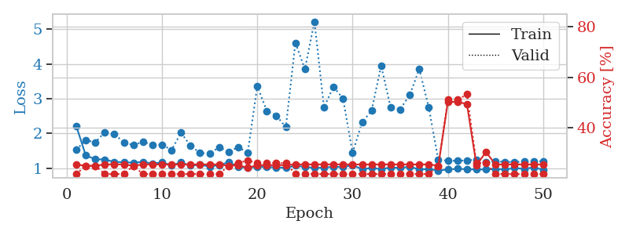
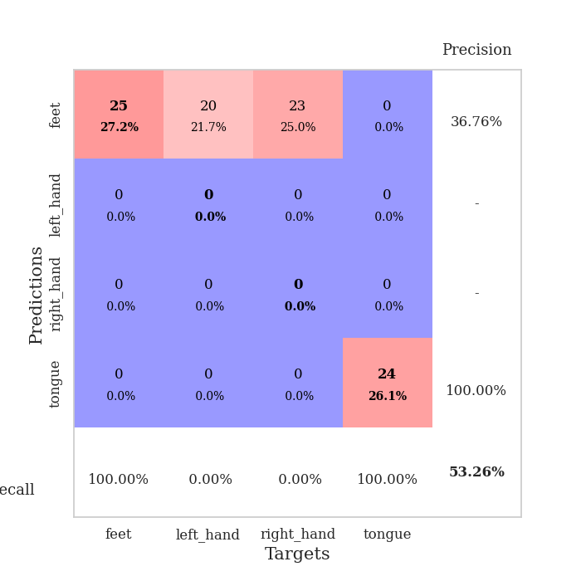
train_loss | valid_loss | train_accuracy | valid_accuracy | dur | train_misclass | valid_misclass
2.8664288728 | 4.5375797645 | 0.27717391304 | 0.29347826087 | 0.082145929337 | 27.717391304 | 29.347826087
1.3460105036 | 6.3099351137 | 0.2527173913 | 0.26086956522 | 0.083202600479 | 25.27173913 | 26.086956522
0.99309170505 | 3.6904385712 | 0.29347826087 | 0.28260869565 | 0.081190824509 | 29.347826087 | 28.260869565
0.88460917965 | 2.6042761906 | 0.36413043478 | 0.34782608696 | 0.080304145813 | 36.413043478 | 34.782608696
0.76106621001 | 1.4306375929 | 0.63315217391 | 0.51086956522 | 0.080454826355 | 63.315217391 | 51.086956522
0.72539618223 | 1.1242059262 | 0.81793478261 | 0.64130434783 | 0.080374479294 | 81.793478261 | 64.130434783
0.57538344031 | 0.93142380403 | 0.85597826087 | 0.61956521739 | 0.08082652092 | 85.597826087 | 61.956521739
0.54789475643 | 1.0105852044 | 0.88858695652 | 0.71739130435 | 0.080853223801 | 88.858695652 | 71.739130435
0.42845461226 | 1.024277148 | 0.85869565217 | 0.65217391304 | 0.080542802811 | 85.869565217 | 65.217391304
0.43970692935 | 1.0259323042 | 0.90760869565 | 0.69565217391 | 0.080424308777 | 90.760869565 | 69.565217391
0.38902757803 | 0.95304242424 | 0.89945652174 | 0.66304347826 | 0.081120967865 | 89.945652174 | 66.304347826
0.3229176888 | 0.88430914542 | 0.94836956522 | 0.6847826087 | 0.080888748169 | 94.836956522 | 68.47826087
0.26955939538 | 0.90368130414 | 0.92391304348 | 0.69565217391 | 0.080672264099 | 92.391304348 | 69.565217391
0.32891182278 | 0.98050313151 | 0.89945652174 | 0.6847826087 | 0.08102273941 | 89.945652174 | 68.47826087
0.25405154993 | 1.1336419608 | 0.92663043478 | 0.66304347826 | 0.080534934998 | 92.663043478 | 66.304347826
0.28412049879 | 0.93280399364 | 0.96467391304 | 0.6847826087 | 0.080575466156 | 96.467391304 | 68.47826087
0.26136528733 | 0.97219674224 | 0.89130434783 | 0.65217391304 | 0.080963373184 | 89.130434783 | 65.217391304
0.20702031012 | 0.95983296374 | 0.95380434783 | 0.71739130435 | 0.08105301857 | 95.380434783 | 71.739130435
0.20335219412 | 1.0354099351 | 0.89402173913 | 0.63043478261 | 0.080813169479 | 89.402173913 | 63.043478261
0.17830875548 | 0.97771014079 | 0.94293478261 | 0.66304347826 | 0.080747127533 | 94.293478261 | 66.304347826
0.21004112292 | 1.0167962961 | 0.95380434783 | 0.67391304348 | 0.080732584 | 95.380434783 | 67.391304348
0.17963978988 | 1.0501972852 | 0.97554347826 | 0.6847826087 | 0.080677032471 | 97.554347826 | 68.47826087
0.20512034849 | 1.0400273541 | 0.94565217391 | 0.66304347826 | 0.08096909523 | 94.565217391 | 66.304347826
0.18946565704 | 0.94156483982 | 0.95923913043 | 0.71739130435 | 0.08070230484 | 95.923913043 | 71.739130435
0.14130936377 | 0.94834819566 | 0.96195652174 | 0.70652173913 | 0.080869436264 | 96.195652174 | 70.652173913
0.13009831528 | 1.0346072938 | 0.98369565217 | 0.71739130435 | 0.080650806427 | 98.369565217 | 71.739130435
0.13964021088 | 0.97704804462 | 0.98097826087 | 0.69565217391 | 0.081049442291 | 98.097826087 | 69.565217391
0.14617887143 | 0.92887588688 | 0.97010869565 | 0.71739130435 | 0.08083319664 | 97.010869565 | 71.739130435
0.14059305155 | 1.0406004605 | 0.95380434783 | 0.70652173913 | 0.080977916718 | 95.380434783 | 70.652173913
0.11801791228 | 0.93549243393 | 0.96739130435 | 0.6847826087 | 0.080941915512 | 96.739130435 | 68.47826087
0.13051757459 | 0.93629150676 | 0.94565217391 | 0.77173913043 | 0.080976009369 | 94.565217391 | 77.173913043
0.11924315013 | 0.99784174821 | 0.96739130435 | 0.67391304348 | 0.081161975861 | 96.739130435 | 67.391304348
0.10176801503 | 0.95274576156 | 0.98913043478 | 0.72826086957 | 0.080855607986 | 98.913043478 | 72.826086957
0.094215042444 | 0.96716793465 | 0.98369565217 | 0.70652173913 | 0.080849647522 | 98.369565217 | 70.652173913
0.086009485688 | 0.91427744342 | 0.98641304348 | 0.73913043478 | 0.080880641937 | 98.641304348 | 73.913043478
0.073225175759 | 0.93175074976 | 0.97282608696 | 0.73913043478 | 0.080952882767 | 97.282608696 | 73.913043478
0.11604518549 | 0.92854916402 | 0.97282608696 | 0.72826086957 | 0.081022977829 | 97.282608696 | 72.826086957
0.098898353784 | 0.9486928323 | 0.97554347826 | 0.72826086957 | 0.080718994141 | 97.554347826 | 72.826086957
0.09116692671 | 0.97085692572 | 0.97282608696 | 0.73913043478 | 0.081034421921 | 97.282608696 | 73.913043478
0.096047260839 | 0.97036155022 | 0.97826086957 | 0.72826086957 | 0.081031322479 | 97.826086957 | 72.826086957
0.068989017796 | 0.95386103962 | 0.98641304348 | 0.73913043478 | 0.080954551697 | 98.641304348 | 73.913043478
0.068223086105 | 0.95856024131 | 0.98369565217 | 0.73913043478 | 0.081413984299 | 98.369565217 | 73.913043478
0.07344729097 | 0.96339639633 | 0.98369565217 | 0.73913043478 | 0.080907344818 | 98.369565217 | 73.913043478
0.083268006494 | 0.97381788103 | 0.98097826087 | 0.72826086957 | 0.080930709839 | 98.097826087 | 72.826086957
0.096110247157 | 0.97347373936 | 0.98369565217 | 0.72826086957 | 0.080857038498 | 98.369565217 | 72.826086957
0.074305127942 | 0.97401663272 | 0.98369565217 | 0.72826086957 | 0.080900907516 | 98.369565217 | 72.826086957
0.058568222489 | 0.97229410384 | 0.98369565217 | 0.72826086957 | 0.08093547821 | 98.369565217 | 72.826086957
0.05408813772 | 0.97211987298 | 0.98369565217 | 0.72826086957 | 0.081143140793 | 98.369565217 | 72.826086957
0.082078225951 | 0.97223867282 | 0.98369565217 | 0.72826086957 | 0.080763101578 | 98.369565217 | 72.826086957
0.083242574828 | 0.97235604862 | 0.98369565217 | 0.72826086957 | 0.080734491348 | 98.369565217 | 72.826086957

Best Val accuracy is 0.7717391304347826 and Best test accuracy is 0.7241379310344828
train_loss | valid_loss | train_accuracy | valid_accuracy | dur | train_misclass | valid_misclass
2.2190044289 | 1.5347728107 | 0.25543478261 | 0.21739130435 | 0.20547223091 | 25.543478261 | 21.739130435
1.3666209138 | 1.802272864 | 0.25 | 0.25 | 0.21490240097 | 25 | 25
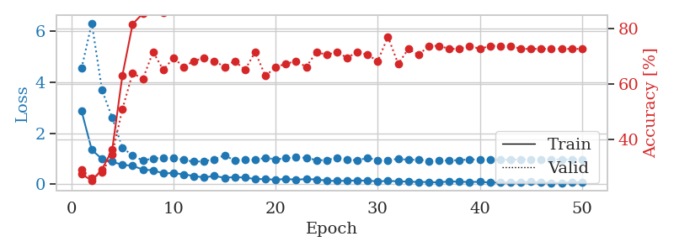
1.25583233 | 1.7470718467 | 0.25 | 0.25 | 0.21016645432 | 25 | 25
1.2493531911 | 2.0353654882 | 0.25543478261 | 0.21739130435 | 0.21128249168 | 25.543478261 | 21.739130435
1.1784606446 | 1.9772167931 | 0.25543478261 | 0.21739130435 | 0.21016836166 | 25.543478261 | 21.739130435
1.1701741478 | 1.7466535776 | 0.25543478261 | 0.21739130435 | 0.20960855484 | 25.543478261 | 21.739130435
1.1573903431 | 1.661192412 | 0.25 | 0.25 | 0.21246433258 | 25 | 25
1.1804091982 | 1.7608837667 | 0.25543478261 | 0.21739130435 | 0.21168136597 | 25.543478261 | 21.739130435
1.1370141066 | 1.6584949493 | 0.25543478261 | 0.21739130435 | 0.21436476707 | 25.543478261 | 21.739130435
1.1629316781 | 1.6797941457 | 0.25543478261 | 0.21739130435 | 0.21289300919 | 25.543478261 | 21.739130435
1.0873777322 | 1.5215467215 | 0.25543478261 | 0.21739130435 | 0.21331477165 | 25.543478261 | 21.739130435
1.1622159326 | 2.0190809188 | 0.25543478261 | 0.21739130435 | 0.21008133888 | 25.543478261 | 21.739130435
1.071368119 | 1.6437666727 | 0.25543478261 | 0.21739130435 | 0.21343922615 | 25.543478261 | 21.739130435
1.0987186691 | 1.4347986605 | 0.25543478261 | 0.21739130435 | 0.21001362801 | 25.543478261 | 21.739130435
1.0441108657 | 1.4224205173 | 0.25543478261 | 0.21739130435 | 0.21182012558 | 25.543478261 | 21.739130435
1.0879459977 | 1.602285608 | 0.25543478261 | 0.21739130435 | 0.20983934402 | 25.543478261 | 21.739130435
1.169503808 | 1.4714732533 | 0.25 | 0.25 | 0.21322441101 | 25 | 25
1.0393899757 | 1.6027087491 | 0.2527173913 | 0.26086956522 | 0.21008324623 | 25.27173913 | 26.086956522
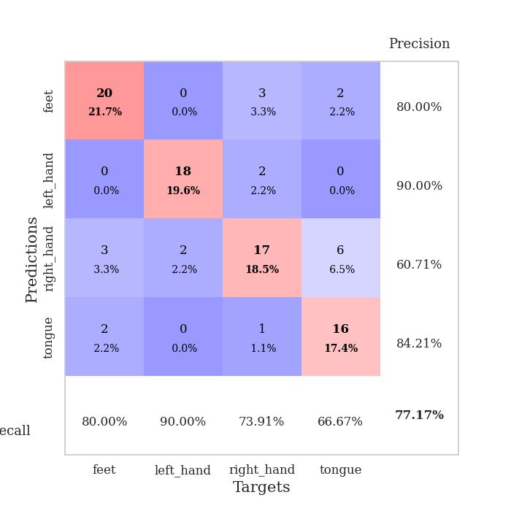
1.0099177153 | 1.4419326108 | 0.24184782609 | 0.27173913043 | 0.21239471436 | 24.184782609 | 27.173913043
1.039800561 | 3.3649561509 | 0.2527173913 | 0.26086956522 | 0.21275091171 | 25.27173913 | 26.086956522
1.0300087566 | 2.6480939803 | 0.2527173913 | 0.26086956522 | 0.21203613281 | 25.27173913 | 26.086956522
1.0246121598 | 2.5115218681 | 0.2527173913 | 0.26086956522 | 0.21247220039 | 25.27173913 | 26.086956522
1.0086911787 | 2.1803318832 | 0.2527173913 | 0.26086956522 | 0.21013355255 | 25.27173913 | 26.086956522
1.0711884499 | 4.6122649234 | 0.25543478261 | 0.21739130435 | 0.21208834648 | 25.543478261 | 21.739130435
1.0311659885 | 3.8512168967 | 0.25543478261 | 0.21739130435 | 0.2108912468 | 25.543478261 | 21.739130435
1.00994808 | 5.2211863269 | 0.25543478261 | 0.21739130435 | 0.21098637581 | 25.543478261 | 21.739130435
1.0128054075 | 2.7508528233 | 0.25543478261 | 0.21739130435 | 0.21029257774 | 25.543478261 | 21.739130435
1.0431232556 | 3.3461574161 | 0.25543478261 | 0.21739130435 | 0.21306324005 | 25.543478261 | 21.739130435
1.0279500355 | 3.0023802882 | 0.25543478261 | 0.21739130435 | 0.21245718002 | 25.543478261 | 21.739130435
1.0844315342 | 1.4440805964 | 0.25543478261 | 0.21739130435 | 0.21067905426 | 25.543478261 | 21.739130435
0.97250570681 | 2.3141531219 | 0.25543478261 | 0.21739130435 | 0.21411395073 | 25.543478261 | 21.739130435
1.0042991871 | 2.6588153113 | 0.25543478261 | 0.21739130435 | 0.21240019798 | 25.543478261 | 21.739130435
0.97442532622 | 3.9542951791 | 0.25543478261 | 0.21739130435 | 0.21006727219 | 25.543478261 | 21.739130435
1.0183199929 | 2.7434726487 | 0.25543478261 | 0.21739130435 | 0.21103334427 | 25.543478261 | 21.739130435
1.0058896334 | 2.6949308955 | 0.25543478261 | 0.21739130435 | 0.20957922935 | 25.543478261 | 21.739130435
1.0444706316 | 3.1074811583 | 0.25543478261 | 0.21739130435 | 0.20917272568 | 25.543478261 | 21.739130435
0.96172257351 | 3.8522294293 | 0.25543478261 | 0.21739130435 | 0.21111726761 | 25.543478261 | 21.739130435
0.97662184549 | 2.7444073636 | 0.25543478261 | 0.21739130435 | 0.21150040627 | 25.543478261 | 21.739130435
0.93006994672 | 1.2305009832 | 0.25 | 0.25 | 0.21226096153 | 25 | 25
0.96093995934 | 1.2210976611 | 0.5027173913 | 0.51086956522 | 0.21103405952 | 50.27173913 | 51.086956522
0.98248596295 | 1.2098196175 | 0.5027173913 | 0.51086956522 | 0.21201658249 | 50.27173913 | 51.086956522
0.968652181 | 1.2260091771 | 0.49456521739 | 0.53260869565 | 0.21140289307 | 49.456521739 | 53.260869565
0.96355218732 | 1.243789253 | 0.2527173913 | 0.26086956522 | 0.21096277237 | 25.27173913 | 26.086956522
0.96105384827 | 1.1763545171 | 0.30434782609 | 0.26086956522 | 0.21161746979 | 30.434782609 | 26.086956522
0.97652130542 | 1.1948292515 | 0.25543478261 | 0.21739130435 | 0.21039056778 | 25.543478261 | 21.739130435
0.96026926455 | 1.1821779738 | 0.25543478261 | 0.21739130435 | 0.21200609207 | 25.543478261 | 21.739130435
1.0034776589 | 1.1796095734 | 0.25543478261 | 0.21739130435 | 0.2136900425 | 25.543478261 | 21.739130435
0.97847949681 | 1.1859669012 | 0.25543478261 | 0.21739130435 | 0.2079179287 | 25.543478261 | 21.739130435
1.0236033434 | 1.1929997102 | 0.25543478261 | 0.21739130435 | 0.21184802055 | 25.543478261 | 21.739130435
0.95271275354 | 1.2044084072 | 0.25543478261 | 0.21739130435 | 0.21039962769 | 25.543478261 | 21.739130435

Best Val accuracy is 0.532608695652174 and Best test accuracy is 0.49137931034482757

Sheet8
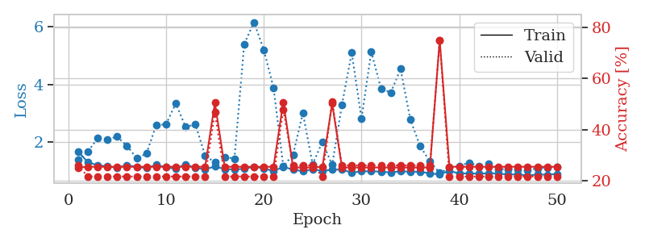
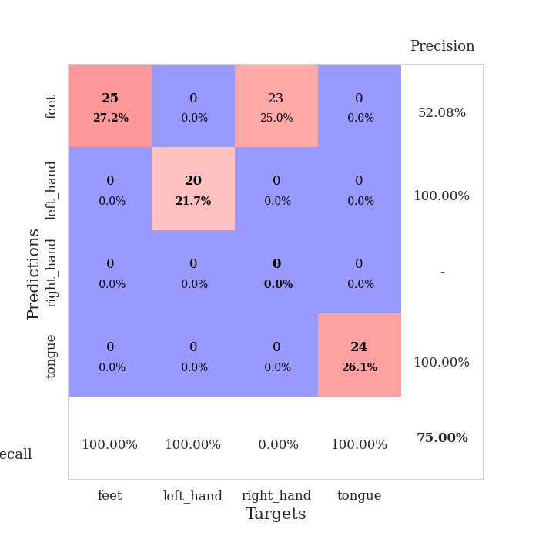
train_loss | valid_loss | train_accuracy | valid_accuracy | dur | train_misclass | valid_misclass
2.5134264075 | 4.8948325696 | 0.2527173913 | 0.26086956522 | 0.083222150803 | 25.27173913 | 26.086956522
1.2296807947 | 3.1668013593 | 0.28532608696 | 0.29347826087 | 0.079917907715 | 28.532608696 | 29.347826087
0.97147132262 | 2.1405823594 | 0.43206521739 | 0.35869565217 | 0.079872846603 | 43.206521739 | 35.869565217
1.0483895385 | 1.6578921805 | 0.55163043478 | 0.40217391304 | 0.079877138138 | 55.163043478 | 40.217391304
0.75527343154 | 1.6562710482 | 0.6277173913 | 0.5 | 0.079789638519 | 62.77173913 | 50
0.73934561532 | 1.1158452241 | 0.82608695652 | 0.5652173913 | 0.079961061478 | 82.608695652 | 56.52173913
0.5883257713 | 1.0260497591 | 0.81793478261 | 0.58695652174 | 0.079891681671 | 81.793478261 | 58.695652174
0.57640437069 | 1.2640067391 | 0.8722826087 | 0.57608695652 | 0.07999920845 | 87.22826087 | 57.608695652
0.46579865528 | 1.0681831785 | 0.89402173913 | 0.61956521739 | 0.079833030701 | 89.402173913 | 61.956521739
0.44741629015 | 1.0270905236 | 0.88315217391 | 0.59782608696 | 0.08003115654 | 88.315217391 | 59.782608696
0.38882973142 | 0.99276627665 | 0.875 | 0.64130434783 | 0.079894304276 | 87.5 | 64.130434783
0.35886030223 | 0.98694122874 | 0.89402173913 | 0.61956521739 | 0.080288887024 | 89.402173913 | 61.956521739
0.3776830519 | 1.095223743 | 0.86413043478 | 0.67391304348 | 0.079681873322 | 86.413043478 | 67.391304348
0.31745560467 | 1.3432174973 | 0.85869565217 | 0.60869565217 | 0.080206632614 | 85.869565217 | 60.869565217
0.2908964034 | 1.2710523087 | 0.80163043478 | 0.60869565217 | 0.080142974854 | 80.163043478 | 60.869565217
0.33191362023 | 1.2874221076 | 0.78804347826 | 0.61956521739 | 0.080018997192 | 78.804347826 | 61.956521739
0.30863252638 | 1.1328252476 | 0.84510869565 | 0.67391304348 | 0.080249547958 | 84.510869565 | 67.391304348
0.27435157707 | 1.3068506977 | 0.7527173913 | 0.60869565217 | 0.080462932587 | 75.27173913 | 60.869565217
0.23265049574 | 1.0591588979 | 0.83695652174 | 0.63043478261 | 0.080224275589 | 83.695652174 | 63.043478261
0.19844194842 | 1.0476219991 | 0.85869565217 | 0.60869565217 | 0.080147266388 | 85.869565217 | 60.869565217
0.22431865918 | 1.409079277 | 0.75543478261 | 0.57608695652 | 0.080887317657 | 75.543478261 | 57.608695652
0.23410462232 | 1.1581420302 | 0.875 | 0.61956521739 | 0.080457210541 | 87.5 | 61.956521739
0.21966506622 | 1.2356281643 | 0.88315217391 | 0.66304347826 | 0.081396102905 | 88.315217391 | 66.304347826
0.19023424355 | 1.3009926081 | 0.8097826087 | 0.58695652174 | 0.08059835434 | 80.97826087 | 58.695652174
0.14759148674 | 1.2039669959 | 0.85326086957 | 0.64130434783 | 0.080303192139 | 85.326086957 | 64.130434783
0.18722999331 | 1.398062592 | 0.77717391304 | 0.58695652174 | 0.080255031586 | 77.717391304 | 58.695652174
0.14417316473 | 1.2567560154 | 0.84510869565 | 0.65217391304 | 0.080098390579 | 84.510869565 | 65.217391304
0.13839303743 | 1.4865501912 | 0.77173913043 | 0.57608695652 | 0.0802693367 | 77.173913043 | 57.608695652
0.11316774008 | 1.3786442332 | 0.78260869565 | 0.5652173913 | 0.080243110657 | 78.260869565 | 56.52173913
0.15793388126 | 1.4626851859 | 0.80706521739 | 0.57608695652 | 0.080383300781 | 80.706521739 | 57.608695652
0.13384620615 | 1.3035466256 | 0.84239130435 | 0.52173913043 | 0.080269098282 | 84.239130435 | 52.173913043
0.15218223125 | 1.1308258228 | 0.89130434783 | 0.60869565217 | 0.080251932144 | 89.130434783 | 60.869565217
0.15024730417 | 1.1607983242 | 0.90217391304 | 0.67391304348 | 0.080232143402 | 90.217391304 | 67.391304348
0.13865478199 | 1.1980079361 | 0.85869565217 | 0.63043478261 | 0.080319404602 | 85.869565217 | 63.043478261
0.1161067996 | 1.3014089647 | 0.83967391304 | 0.60869565217 | 0.080219745636 | 83.967391304 | 60.869565217
0.10407845231 | 1.276618859 | 0.83695652174 | 0.63043478261 | 0.080293893814 | 83.695652174 | 63.043478261
0.12204832142 | 1.2061787507 | 0.86684782609 | 0.64130434783 | 0.080353975296 | 86.684782609 | 64.130434783
0.11264806322 | 1.1841194008 | 0.875 | 0.60869565217 | 0.080266952515 | 87.5 | 60.869565217
0.10526178947 | 1.1788009561 | 0.89130434783 | 0.64130434783 | 0.080282211304 | 89.130434783 | 64.130434783
0.086678229839 | 1.2189030233 | 0.8722826087 | 0.63043478261 | 0.080452680588 | 87.22826087 | 63.043478261
0.13123823832 | 1.2417384179 | 0.86956521739 | 0.63043478261 | 0.080257177353 | 86.956521739 | 63.043478261
0.075780576712 | 1.2876646104 | 0.85869565217 | 0.61956521739 | 0.080184221268 | 85.869565217 | 61.956521739
0.10217304269 | 1.2879011787 | 0.85597826087 | 0.60869565217 | 0.080253362656 | 85.597826087 | 60.869565217
0.10259140599 | 1.2672722547 | 0.86141304348 | 0.61956521739 | 0.080694198608 | 86.141304348 | 61.956521739
0.10127878412 | 1.2464449613 | 0.86684782609 | 0.63043478261 | 0.080300331116 | 86.684782609 | 63.043478261
0.12007176961 | 1.2312791399 | 0.86956521739 | 0.63043478261 | 0.080233097076 | 86.956521739 | 63.043478261
0.10308150016 | 1.2220231761 | 0.8722826087 | 0.63043478261 | 0.080036401749 | 87.22826087 | 63.043478261
0.13554540548 | 1.2182882402 | 0.875 | 0.61956521739 | 0.080191135406 | 87.5 | 61.956521739
0.096371434588 | 1.2168846649 | 0.875 | 0.61956521739 | 0.080338954926 | 87.5 | 61.956521739
0.094485866068 | 1.2156251721 | 0.875 | 0.61956521739 | 0.0804271698 | 87.5 | 61.956521739

Best Val accuracy is 0.6739130434782609 and Best test accuracy is 0.6551724137931034
train_loss | valid_loss | train_accuracy | valid_accuracy | dur | train_misclass | valid_misclass
1.6759139584 | 1.3863189687 | 0.2527173913 | 0.26086956522 | 0.20963048935 | 25.27173913 | 26.086956522
1.3040208713 | 1.669596983 | 0.25543478261 | 0.21739130435 | 0.20899343491 | 25.543478261 | 21.739130435
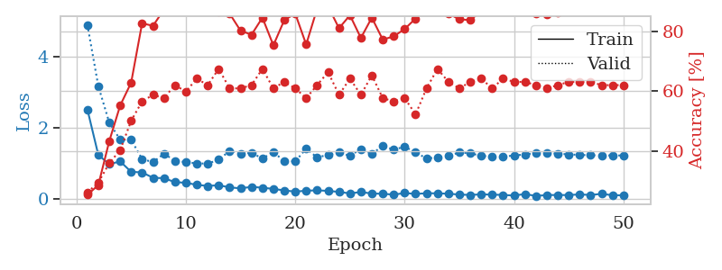
1.1962713003 | 2.1304143512 | 0.25543478261 | 0.21739130435 | 0.21284127235 | 25.543478261 | 21.739130435
1.1597083574 | 2.0978265534 | 0.25543478261 | 0.21739130435 | 0.21359205246 | 25.543478261 | 21.739130435
1.1114933879 | 2.1878378599 | 0.25543478261 | 0.21739130435 | 0.21025943756 | 25.543478261 | 21.739130435
1.194762585 | 1.869934761 | 0.25543478261 | 0.21739130435 | 0.21085238457 | 25.543478261 | 21.739130435
1.142516302 | 1.4430930977 | 0.25543478261 | 0.21739130435 | 0.20920467377 | 25.543478261 | 21.739130435
1.0970881322 | 1.5989091034 | 0.25543478261 | 0.21739130435 | 0.21052908897 | 25.543478261 | 21.739130435
1.2074629639 | 2.5972467091 | 0.25543478261 | 0.21739130435 | 0.20975518227 | 25.543478261 | 21.739130435
1.1245234583 | 2.6111435787 | 0.25543478261 | 0.21739130435 | 0.21325922012 | 25.543478261 | 21.739130435
1.0754443433 | 3.3461220472 | 0.25543478261 | 0.21739130435 | 0.21069312096 | 25.543478261 | 21.739130435
1.2322505013 | 2.5219279165 | 0.25543478261 | 0.21739130435 | 0.20776104927 | 25.543478261 | 21.739130435
1.0994502332 | 2.6141283927 | 0.25543478261 | 0.21739130435 | 0.21147489548 | 25.543478261 | 21.739130435
1.0616783863 | 1.5338491772 | 0.25543478261 | 0.21739130435 | 0.21061062813 | 25.543478261 | 21.739130435
1.1513967177 | 1.2941788228 | 0.50543478261 | 0.46739130435 | 0.20997190475 | 50.543478261 | 46.739130435
1.0651914736 | 1.4846158909 | 0.25543478261 | 0.21739130435 | 0.21121764183 | 25.543478261 | 21.739130435
1.0522858786 | 1.4284633191 | 0.25543478261 | 0.21739130435 | 0.20955514908 | 25.543478261 | 21.739130435
1.0720514007 | 5.4008830527 | 0.25543478261 | 0.21739130435 | 0.20897221565 | 25.543478261 | 21.739130435
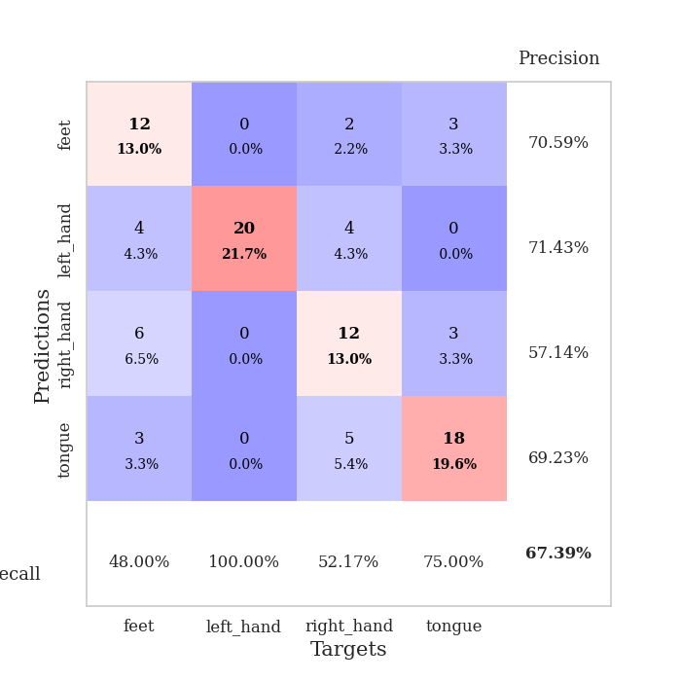
1.1466157566 | 6.1573458133 | 0.25543478261 | 0.21739130435 | 0.21251344681 | 25.543478261 | 21.739130435
1.0853961136 | 5.2023769254 | 0.25543478261 | 0.21739130435 | 0.21040558815 | 25.543478261 | 21.739130435
0.99897660898 | 3.8838417426 | 0.25543478261 | 0.21739130435 | 0.21117281914 | 25.543478261 | 21.739130435
1.1369660082 | 1.1609583212 | 0.50815217391 | 0.47826086957 | 0.21118688583 | 50.815217391 | 47.826086957
1.0503991246 | 1.5641017375 | 0.2527173913 | 0.26086956522 | 0.21310138702 | 25.27173913 | 26.086956522
0.9868794576 | 3.0085588123 | 0.2527173913 | 0.26086956522 | 0.21246695518 | 25.27173913 | 26.086956522
1.0570384756 | 1.2292927244 | 0.2527173913 | 0.26086956522 | 0.21146631241 | 25.27173913 | 26.086956522
0.99992508992 | 2.0062586743 | 0.25543478261 | 0.21739130435 | 0.2097158432 | 25.543478261 | 21.739130435
1.0446788513 | 1.2075367699 | 0.5027173913 | 0.51086956522 | 0.2098596096 | 50.27173913 | 51.086956522
1.0515984349 | 3.2933473587 | 0.2527173913 | 0.26086956522 | 0.21312642097 | 25.27173913 | 26.086956522
0.93854081631 | 5.0968010944 | 0.2527173913 | 0.26086956522 | 0.21240592003 | 25.27173913 | 26.086956522
0.98837052998 | 2.8099748052 | 0.2527173913 | 0.26086956522 | 0.20996022224 | 25.27173913 | 26.086956522
0.9890894527 | 5.1362775305 | 0.2527173913 | 0.26086956522 | 0.2084031105 | 25.27173913 | 26.086956522
0.97724448857 | 3.845188711 | 0.2527173913 | 0.26086956522 | 0.21014547348 | 25.27173913 | 26.086956522
0.94338517345 | 3.7212416711 | 0.2527173913 | 0.26086956522 | 0.21028423309 | 25.27173913 | 26.086956522
0.99150502941 | 4.5370037659 | 0.2527173913 | 0.26086956522 | 0.21033716202 | 25.27173913 | 26.086956522
0.97213253249 | 2.7763214215 | 0.2527173913 | 0.26086956522 | 0.21460676193 | 25.27173913 | 26.086956522
0.97382132903 | 1.8612542412 | 0.2527173913 | 0.26086956522 | 0.21266770363 | 25.27173913 | 26.086956522
0.91316513134 | 1.3235157987 | 0.2527173913 | 0.26086956522 | 0.214209795 | 25.27173913 | 26.086956522
0.88084590176 | 0.93298240589 | 0.75 | 0.75 | 0.2108912468 | 75 | 75
1.0044697445 | 1.0971494913 | 0.25543478261 | 0.21739130435 | 0.21181130409 | 25.543478261 | 21.739130435
0.9088322287 | 1.1773323961 | 0.25543478261 | 0.21739130435 | 0.20943307877 | 25.543478261 | 21.739130435
0.91819761629 | 1.2819342872 | 0.25543478261 | 0.21739130435 | 0.21280932426 | 25.543478261 | 21.739130435
0.90438233769 | 1.1733211175 | 0.25543478261 | 0.21739130435 | 0.2110645771 | 25.543478261 | 21.739130435
0.91748943018 | 1.2499863117 | 0.25543478261 | 0.21739130435 | 0.21364665031 | 25.543478261 | 21.739130435
0.91326265231 | 1.0642779755 | 0.25543478261 | 0.21739130435 | 0.21321821213 | 25.543478261 | 21.739130435
0.87359156298 | 1.0625747753 | 0.25543478261 | 0.21739130435 | 0.20899152756 | 25.543478261 | 21.739130435
0.8841154368 | 1.0584647759 | 0.25543478261 | 0.21739130435 | 0.21182322502 | 25.543478261 | 21.739130435
0.83668359985 | 1.0389621828 | 0.25543478261 | 0.21739130435 | 0.2093732357 | 25.543478261 | 21.739130435
0.87819514586 | 1.0864361058 | 0.25543478261 | 0.21739130435 | 0.20934581757 | 25.543478261 | 21.739130435
0.86860736816 | 1.1228143599 | 0.25543478261 | 0.21739130435 | 0.21090745926 | 25.543478261 | 21.739130435
0.89463312989 | 1.1444898274 | 0.25543478261 | 0.21739130435 | 0.21376371384 | 25.543478261 | 21.739130435

Best Val accuracy is 0.75 and Best test accuracy is 0.75

Sheet9
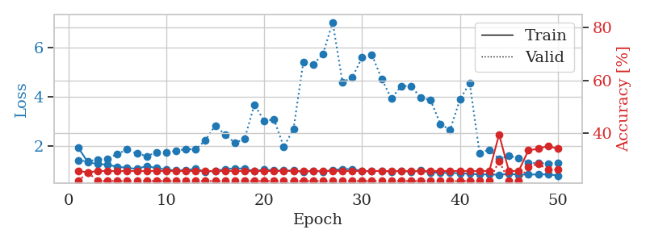
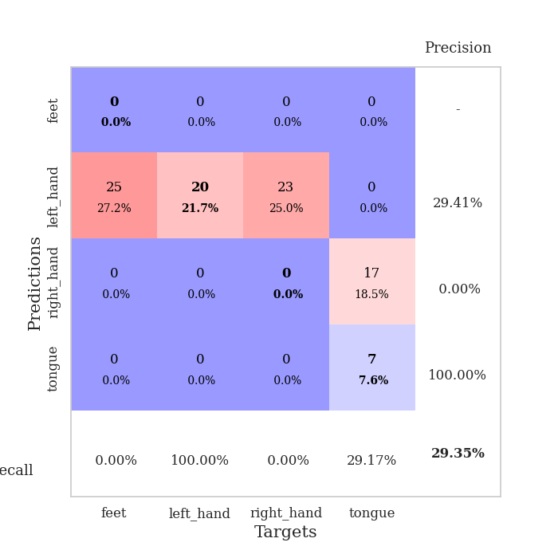
train_loss | valid_loss | train_accuracy | valid_accuracy | dur | train_misclass | valid_misclass
3.2573962108 | 3.5580335182 | 0.25815217391 | 0.27173913043 | 0.081414461136 | 25.815217391 | 27.173913043
1.3006189258 | 2.6205646577 | 0.34239130435 | 0.29347826087 | 0.080001115799 | 34.239130435 | 29.347826087
1.0697438147 | 1.8632586313 | 0.54619565217 | 0.46739130435 | 0.080072402954 | 54.619565217 | 46.739130435
0.9023046338 | 1.4115603748 | 0.66576086957 | 0.51086956522 | 0.080036401749 | 66.576086957 | 51.086956522
0.7277530652 | 1.2719716093 | 0.71467391304 | 0.54347826087 | 0.079954147339 | 71.467391304 | 54.347826087
0.69012258105 | 1.1582984847 | 0.73641304348 | 0.55434782609 | 0.080001592636 | 73.641304348 | 55.434782609
0.78765831305 | 1.3823284429 | 0.70923913043 | 0.55434782609 | 0.080186367035 | 70.923913043 | 55.434782609
0.58678621961 | 1.5265714656 | 0.64945652174 | 0.54347826087 | 0.079933643341 | 64.945652174 | 54.347826087
0.60902553797 | 1.263052308 | 0.78260869565 | 0.55434782609 | 0.079822778702 | 78.260869565 | 55.434782609
0.51452832507 | 1.4005378692 | 0.64673913043 | 0.57608695652 | 0.080122709274 | 64.673913043 | 57.608695652
0.55690109859 | 1.3072043061 | 0.71739130435 | 0.60869565217 | 0.079999685287 | 71.739130435 | 60.869565217
0.45300026691 | 1.4113672194 | 0.78532608696 | 0.59782608696 | 0.079971313477 | 78.532608696 | 59.782608696
0.3824862935 | 1.5758681349 | 0.72826086957 | 0.55434782609 | 0.080013275146 | 72.826086957 | 55.434782609
0.4357792612 | 1.4712241162 | 0.77717391304 | 0.58695652174 | 0.10125851631 | 77.717391304 | 58.695652174
0.32432151294 | 1.3487293513 | 0.80706521739 | 0.64130434783 | 0.083418607712 | 80.706521739 | 64.130434783
0.34259606444 | 1.3000777416 | 0.85054347826 | 0.64130434783 | 0.08366560936 | 85.054347826 | 64.130434783
0.32440190924 | 1.6448736968 | 0.71467391304 | 0.5652173913 | 0.081969738007 | 71.467391304 | 56.52173913
0.36458294482 | 1.8024666361 | 0.6902173913 | 0.57608695652 | 0.082121610641 | 69.02173913 | 57.608695652
0.30648781748 | 1.5815425956 | 0.78804347826 | 0.57608695652 | 0.081838846207 | 78.804347826 | 57.608695652
0.3801644438 | 1.56060571 | 0.72554347826 | 0.52173913043 | 0.081965923309 | 72.554347826 | 52.173913043
0.31493898967 | 1.7472395638 | 0.71739130435 | 0.53260869565 | 0.081989526749 | 71.739130435 | 53.260869565
0.27728984505 | 1.6601180305 | 0.72282608696 | 0.54347826087 | 0.081898927689 | 72.282608696 | 54.347826087
0.27588747733 | 1.7876372596 | 0.66576086957 | 0.54347826087 | 0.082107543945 | 66.576086957 | 54.347826087
0.20071105999 | 1.646027819 | 0.74184782609 | 0.54347826087 | 0.082288980484 | 74.184782609 | 54.347826087
0.25722491903 | 1.9391970064 | 0.64130434783 | 0.5 | 0.081995487213 | 64.130434783 | 50
0.21717378918 | 1.7099716612 | 0.76086956522 | 0.54347826087 | 0.081889629364 | 76.086956522 | 54.347826087
0.18523472693 | 1.7744450932 | 0.70380434783 | 0.53260869565 | 0.082247018814 | 70.380434783 | 53.260869565
0.1669503546 | 1.9015579275 | 0.72282608696 | 0.54347826087 | 0.082437515259 | 72.282608696 | 54.347826087
0.14528551673 | 1.855057535 | 0.6847826087 | 0.53260869565 | 0.082438468933 | 68.47826087 | 53.260869565
0.17598594506 | 1.8988480412 | 0.6847826087 | 0.54347826087 | 0.084654331207 | 68.47826087 | 54.347826087
0.20025023235 | 2.0022005361 | 0.71195652174 | 0.55434782609 | 0.081974506378 | 71.195652174 | 55.434782609
0.1406074325 | 2.1840057425 | 0.64402173913 | 0.52173913043 | 0.082046747208 | 64.402173913 | 52.173913043
0.1629844154 | 2.0637027855 | 0.6847826087 | 0.52173913043 | 0.082391023636 | 68.47826087 | 52.173913043
0.15746579744 | 2.1949507465 | 0.67119565217 | 0.53260869565 | 0.081808805466 | 67.119565217 | 53.260869565
0.15238212648 | 2.2662632621 | 0.65489130435 | 0.52173913043 | 0.08188700676 | 65.489130435 | 52.173913043
0.16068763772 | 2.0573469608 | 0.68206521739 | 0.53260869565 | 0.081870555878 | 68.206521739 | 53.260869565
0.13846202162 | 2.0959129593 | 0.69565217391 | 0.53260869565 | 0.082080364227 | 69.565217391 | 53.260869565
0.11430121764 | 2.1442183982 | 0.6902173913 | 0.53260869565 | 0.081919670105 | 69.02173913 | 53.260869565
0.16356484616 | 2.2039714274 | 0.67934782609 | 0.53260869565 | 0.081995487213 | 67.934782609 | 53.260869565
0.14667783767 | 2.1867270003 | 0.67119565217 | 0.52173913043 | 0.081987857819 | 67.119565217 | 52.173913043
0.12316629841 | 2.1822561596 | 0.68206521739 | 0.52173913043 | 0.081875085831 | 68.206521739 | 52.173913043
0.08414813127 | 2.2020836965 | 0.67119565217 | 0.52173913043 | 0.081988096237 | 67.119565217 | 52.173913043
0.11310399129 | 2.2432411287 | 0.67119565217 | 0.52173913043 | 0.081946134567 | 67.119565217 | 52.173913043
0.11024142632 | 2.1775105673 | 0.68206521739 | 0.53260869565 | 0.082167387009 | 68.206521739 | 53.260869565
0.1224918542 | 2.1347344181 | 0.6902173913 | 0.53260869565 | 0.081968545914 | 69.02173913 | 53.260869565
0.10283507115 | 2.1139775929 | 0.6875 | 0.53260869565 | 0.082033872604 | 68.75 | 53.260869565
0.093665923923 | 2.1049890518 | 0.69836956522 | 0.53260869565 | 0.082132577896 | 69.836956522 | 53.260869565
0.13815899214 | 2.1018810065 | 0.69836956522 | 0.54347826087 | 0.08198928833 | 69.836956522 | 54.347826087
0.11682290414 | 2.0955093995 | 0.70108695652 | 0.54347826087 | 0.081880331039 | 70.108695652 | 54.347826087
0.11800980268 | 2.0922285578 | 0.70380434783 | 0.53260869565 | 0.081993103027 | 70.380434783 | 53.260869565

Best Val accuracy is 0.6413043478260869 and Best test accuracy is 0.5603448275862069
train_loss | valid_loss | train_accuracy | valid_accuracy | dur | train_misclass | valid_misclass
1.9354202644 | 1.4041606654 | 0.25543478261 | 0.21739130435 | 0.20794057846 | 25.543478261 | 21.739130435
1.3399944565 | 1.389251087 | 0.25 | 0.25 | 0.21377301216 | 25 | 25
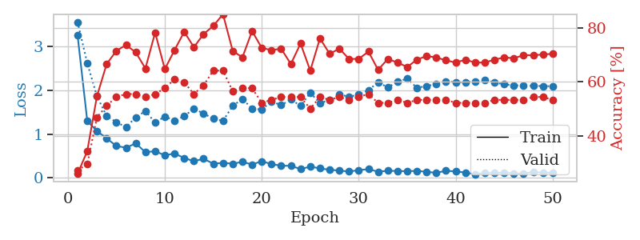
1.2709208623 | 1.4447324846 | 0.25543478261 | 0.21739130435 | 0.21334218979 | 25.543478261 | 21.739130435
1.2439273285 | 1.4882737865 | 0.25543478261 | 0.21739130435 | 0.20997262001 | 25.543478261 | 21.739130435
1.1585925895 | 1.679011008 | 0.25543478261 | 0.21739130435 | 0.21366477013 | 25.543478261 | 21.739130435
1.1165044152 | 1.8534802198 | 0.25543478261 | 0.21739130435 | 0.21216678619 | 25.543478261 | 21.739130435
1.0708082526 | 1.6992706371 | 0.25543478261 | 0.21739130435 | 0.21133947372 | 25.543478261 | 21.739130435
1.1896906962 | 1.5896944378 | 0.25543478261 | 0.21739130435 | 0.2110350132 | 25.543478261 | 21.739130435
1.1036114615 | 1.7440169013 | 0.25543478261 | 0.21739130435 | 0.21009612083 | 25.543478261 | 21.739130435
1.0468227552 | 1.7414867411 | 0.25543478261 | 0.21739130435 | 0.20885515213 | 25.543478261 | 21.739130435
1.0062138827 | 1.7998763841 | 0.25543478261 | 0.21739130435 | 0.2097723484 | 25.543478261 | 21.739130435
1.0228036668 | 1.877615996 | 0.25543478261 | 0.21739130435 | 0.21189904213 | 25.543478261 | 21.739130435
1.0769570288 | 1.8625026216 | 0.25543478261 | 0.21739130435 | 0.2088830471 | 25.543478261 | 21.739130435
0.95974058431 | 2.2385982016 | 0.25543478261 | 0.21739130435 | 0.21254205704 | 25.543478261 | 21.739130435
0.9881627456 | 2.8293810409 | 0.25543478261 | 0.21739130435 | 0.21224832535 | 25.543478261 | 21.739130435
1.0598526493 | 2.4656607379 | 0.25543478261 | 0.21739130435 | 0.21261072159 | 25.543478261 | 21.739130435
1.0944959651 | 2.1299506996 | 0.25543478261 | 0.21739130435 | 0.21146082878 | 25.543478261 | 21.739130435
1.0840888879 | 2.2790068232 | 0.25543478261 | 0.21739130435 | 0.21159434319 | 25.543478261 | 21.739130435
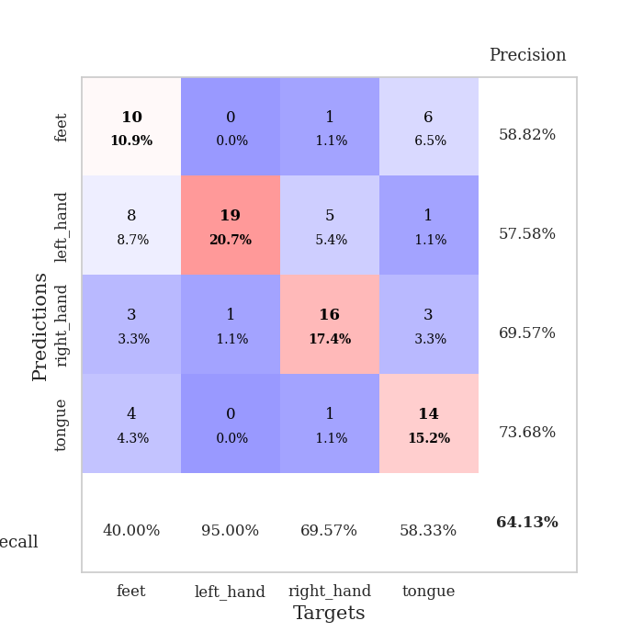
0.97269334482 | 3.6813985887 | 0.25543478261 | 0.21739130435 | 0.20878624916 | 25.543478261 | 21.739130435
1.0515356712 | 3.0133977247 | 0.25543478261 | 0.21739130435 | 0.21127510071 | 25.543478261 | 21.739130435
1.0082410341 | 3.0811964947 | 0.25543478261 | 0.21739130435 | 0.20895671844 | 25.543478261 | 21.739130435
1.0054682623 | 1.968246149 | 0.25543478261 | 0.21739130435 | 0.2105243206 | 25.543478261 | 21.739130435
1.0099419226 | 2.6898332679 | 0.25543478261 | 0.21739130435 | 0.20877313614 | 25.543478261 | 21.739130435
0.94390732568 | 5.4102122887 | 0.25543478261 | 0.21739130435 | 0.21225357056 | 25.543478261 | 21.739130435
0.99832369452 | 5.2981824668 | 0.25543478261 | 0.21739130435 | 0.21313142776 | 25.543478261 | 21.739130435
0.96175415879 | 5.7195846516 | 0.25543478261 | 0.21739130435 | 0.21241927147 | 25.543478261 | 21.739130435
1.029997779 | 7.016156549 | 0.25543478261 | 0.21739130435 | 0.21154284477 | 25.543478261 | 21.739130435
1.0641525906 | 4.5826797278 | 0.25543478261 | 0.21739130435 | 0.21140003204 | 25.543478261 | 21.739130435
1.0681006986 | 4.7791148683 | 0.25543478261 | 0.21739130435 | 0.21226930618 | 25.543478261 | 21.739130435
0.98744141019 | 5.5828973314 | 0.25543478261 | 0.21739130435 | 0.21088075638 | 25.543478261 | 21.739130435
0.97329830087 | 5.7044522659 | 0.25543478261 | 0.21739130435 | 0.21019363403 | 25.543478261 | 21.739130435
1.0004736911 | 4.7224246523 | 0.25543478261 | 0.21739130435 | 0.21142864227 | 25.543478261 | 21.739130435
0.95727808838 | 3.9239632254 | 0.25543478261 | 0.21739130435 | 0.21336388588 | 25.543478261 | 21.739130435
0.99510290571 | 4.4315341245 | 0.25543478261 | 0.21739130435 | 0.21124362946 | 25.543478261 | 21.739130435
0.95316774171 | 4.4282691582 | 0.25543478261 | 0.21739130435 | 0.20994186401 | 25.543478261 | 21.739130435
1.0040243916 | 3.9607438834 | 0.25543478261 | 0.21739130435 | 0.20963573456 | 25.543478261 | 21.739130435
0.92164173852 | 3.8597080293 | 0.25543478261 | 0.21739130435 | 0.20999932289 | 25.543478261 | 21.739130435
0.92018386851 | 2.890377366 | 0.25543478261 | 0.21739130435 | 0.21059250832 | 25.543478261 | 21.739130435
0.90529083946 | 2.6561354243 | 0.25543478261 | 0.21739130435 | 0.21101140976 | 25.543478261 | 21.739130435
0.89877562938 | 3.8888270026 | 0.25543478261 | 0.21739130435 | 0.21058869362 | 25.543478261 | 21.739130435
0.87621334066 | 4.5465926087 | 0.25543478261 | 0.21739130435 | 0.21390557289 | 25.543478261 | 21.739130435
0.8485567492 | 1.7189324628 | 0.25543478261 | 0.21739130435 | 0.21064424515 | 25.543478261 | 21.739130435
0.85658439087 | 1.8468194474 | 0.25543478261 | 0.21739130435 | 0.20964479446 | 25.543478261 | 21.739130435
0.83148658016 | 1.4789927887 | 0.39402173913 | 0.29347826087 | 0.21208643913 | 39.402173913 | 29.347826087
0.87588450442 | 1.6004109434 | 0.25543478261 | 0.21739130435 | 0.21354317665 | 25.543478261 | 21.739130435
0.83524469059 | 1.5063188128 | 0.25543478261 | 0.21739130435 | 0.2109105587 | 25.543478261 | 21.739130435
0.85081609954 | 1.326582862 | 0.33423913043 | 0.27173913043 | 0.21115517616 | 33.423913043 | 27.173913043
0.84137470308 | 1.301535114 | 0.33967391304 | 0.28260869565 | 0.21342301369 | 33.967391304 | 28.260869565
0.85632082172 | 1.2932306217 | 0.35054347826 | 0.26086956522 | 0.21266222 | 35.054347826 | 26.086956522
0.79931400911 | 1.2999253221 | 0.33967391304 | 0.26086956522 | 0.21431493759 | 33.967391304 | 26.086956522

Best Val accuracy is 0.29347826086956524 and Best test accuracy is 0.33620689655172414

Sheet10
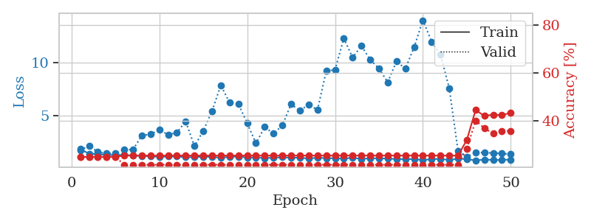
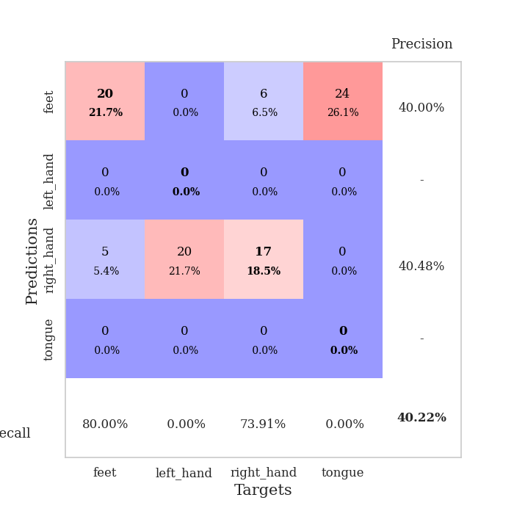
train_loss | valid_loss | train_accuracy | valid_accuracy | dur | train_misclass | valid_misclass
3.0259249107 | 4.7850221136 | 0.25 | 0.25 | 0.08482670784 | 25 | 25
1.3439299179 | 4.6718975357 | 0.2527173913 | 0.26086956522 | 0.081811189651 | 25.27173913 | 26.086956522
1.0642992958 | 2.7033915209 | 0.30434782609 | 0.3152173913 | 0.081737279892 | 30.434782609 | 31.52173913
0.86524771478 | 3.4865351967 | 0.26902173913 | 0.29347826087 | 0.08181142807 | 26.902173913 | 29.347826087
0.78304294918 | 1.8842019361 | 0.55706521739 | 0.45652173913 | 0.081592559814 | 55.706521739 | 45.652173913
0.66058087738 | 2.0128627186 | 0.58695652174 | 0.5 | 0.083610773087 | 58.695652174 | 50
0.61187298142 | 1.2939594155 | 0.80163043478 | 0.58695652174 | 0.083134412766 | 80.163043478 | 58.695652174
0.60554324544 | 1.3705092513 | 0.7472826087 | 0.5652173913 | 0.08124256134 | 74.72826087 | 56.52173913
0.50423793819 | 1.0814848568 | 0.92119565217 | 0.64130434783 | 0.081276893616 | 92.119565217 | 64.130434783
0.40192581843 | 1.2215994493 | 0.86413043478 | 0.65217391304 | 0.081343650818 | 86.413043478 | 65.217391304
0.38463895152 | 1.1092015298 | 0.91576086957 | 0.64130434783 | 0.081411123276 | 91.576086957 | 64.130434783
0.42545433731 | 1.3512405028 | 0.83423913043 | 0.55434782609 | 0.081387519836 | 83.423913043 | 55.434782609
0.36285722482 | 1.3197674414 | 0.86956521739 | 0.59782608696 | 0.081834554672 | 86.956521739 | 59.782608696
0.33755853383 | 1.0829191934 | 0.90760869565 | 0.65217391304 | 0.081619977951 | 90.760869565 | 65.217391304
0.38883712693 | 1.1148128717 | 0.91032608696 | 0.65217391304 | 0.081638813019 | 91.032608696 | 65.217391304
0.33057693716 | 1.2001317092 | 0.94836956522 | 0.65217391304 | 0.081684827805 | 94.836956522 | 65.217391304
0.2998262132 | 1.1970665675 | 0.95652173913 | 0.60869565217 | 0.081539392471 | 95.652173913 | 60.869565217
0.27760785284 | 1.0946112249 | 0.97010869565 | 0.64130434783 | 0.081749916077 | 97.010869565 | 64.130434783
0.25714606128 | 1.1747453718 | 0.92934782609 | 0.63043478261 | 0.08159995079 | 92.934782609 | 63.043478261
0.2539839338 | 1.1917110008 | 0.9402173913 | 0.59782608696 | 0.081560850143 | 94.02173913 | 59.782608696
0.24414504854 | 1.2463605145 | 0.97282608696 | 0.60869565217 | 0.08154129982 | 97.282608696 | 60.869565217
0.19202714332 | 1.3241823445 | 0.91847826087 | 0.64130434783 | 0.081719875336 | 91.847826087 | 64.130434783
0.23543578224 | 1.1951826992 | 0.97826086957 | 0.61956521739 | 0.081693410873 | 97.826086957 | 61.956521739
0.18891440105 | 1.1442529909 | 0.98913043478 | 0.65217391304 | 0.08172082901 | 98.913043478 | 65.217391304
0.17965576822 | 1.1873152943 | 0.94836956522 | 0.64130434783 | 0.081750154495 | 94.836956522 | 64.130434783
0.18852390478 | 1.1665327445 | 0.97554347826 | 0.66304347826 | 0.081887245178 | 97.554347826 | 66.304347826
0.13949006221 | 1.1628960216 | 0.95652173913 | 0.67391304348 | 0.08163189888 | 95.652173913 | 67.391304348
0.13402333321 | 1.1676957821 | 0.93206521739 | 0.67391304348 | 0.081740140915 | 93.206521739 | 67.391304348
0.14447318916 | 1.2007272146 | 0.92934782609 | 0.64130434783 | 0.081667661667 | 92.934782609 | 64.130434783
0.14928462761 | 1.1955089015 | 0.95108695652 | 0.6847826087 | 0.081540584564 | 95.108695652 | 68.47826087
0.12968951804 | 1.2340033197 | 0.9402173913 | 0.66304347826 | 0.081720113754 | 94.02173913 | 66.304347826
0.1310100276 | 1.2598994387 | 0.95652173913 | 0.6847826087 | 0.081103801727 | 95.652173913 | 68.47826087
0.11668628584 | 1.2696902337 | 0.96467391304 | 0.67391304348 | 0.08161854744 | 96.467391304 | 67.391304348
0.13425897467 | 1.4214139484 | 0.92391304348 | 0.61956521739 | 0.081578016281 | 92.391304348 | 61.956521739
0.1269319396 | 1.2843177902 | 0.9375 | 0.63043478261 | 0.081698894501 | 93.75 | 63.043478261
0.11090057691 | 1.2708489266 | 0.95380434783 | 0.67391304348 | 0.081795692444 | 95.380434783 | 67.391304348
0.13274257816 | 1.3022608291 | 0.92663043478 | 0.64130434783 | 0.081537723541 | 92.663043478 | 64.130434783
0.1215930722 | 1.3081450229 | 0.93206521739 | 0.63043478261 | 0.081686258316 | 93.206521739 | 63.043478261
0.12012245061 | 1.3031672343 | 0.95380434783 | 0.63043478261 | 0.081721544266 | 95.380434783 | 63.043478261
0.11559363147 | 1.2815788168 | 0.94565217391 | 0.64130434783 | 0.081643104553 | 94.565217391 | 64.130434783
0.098810312662 | 1.2538977032 | 0.95923913043 | 0.64130434783 | 0.08167052269 | 95.923913043 | 64.130434783
0.077786269517 | 1.2697561215 | 0.96467391304 | 0.63043478261 | 0.081632614136 | 96.467391304 | 63.043478261
0.10321248622 | 1.2790677094 | 0.97010869565 | 0.65217391304 | 0.081596374512 | 97.010869565 | 65.217391304
0.09772853695 | 1.2632520004 | 0.97282608696 | 0.65217391304 | 0.08167719841 | 97.282608696 | 65.217391304
0.092938806457 | 1.2568198844 | 0.97282608696 | 0.65217391304 | 0.081856012344 | 97.282608696 | 65.217391304
0.095992492674 | 1.2622809384 | 0.97554347826 | 0.65217391304 | 0.081557273865 | 97.554347826 | 65.217391304
0.09719665061 | 1.2663232075 | 0.97554347826 | 0.65217391304 | 0.081887483597 | 97.554347826 | 65.217391304
0.10309856207 | 1.2674439264 | 0.97554347826 | 0.65217391304 | 0.081604480743 | 97.554347826 | 65.217391304
0.10140164302 | 1.2688711908 | 0.97554347826 | 0.65217391304 | 0.083706140518 | 97.554347826 | 65.217391304
0.091614472882 | 1.2694595469 | 0.97826086957 | 0.65217391304 | 0.083045244217 | 97.826086957 | 65.217391304

Best Val accuracy is 0.6847826086956522 and Best test accuracy is 0.6379310344827587
train_loss | valid_loss | train_accuracy | valid_accuracy | dur | train_misclass | valid_misclass
1.8286884971 | 1.7015713557 | 0.25 | 0.25 | 0.20535373688 | 25 | 25
1.4043424803 | 2.1591145111 | 0.25 | 0.25 | 0.21088886261 | 25 | 25
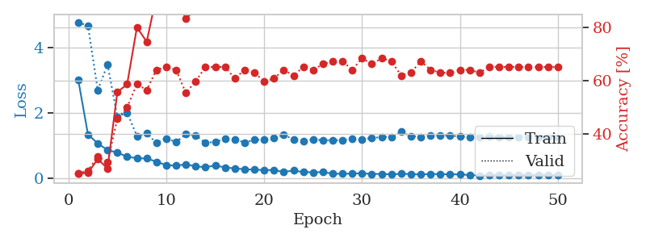
1.3535534092 | 1.5545872191 | 0.25 | 0.25 | 0.21117210388 | 25 | 25
1.2687119867 | 1.4181189485 | 0.25 | 0.25 | 0.20912766457 | 25 | 25
1.274108993 | 1.4221979639 | 0.25 | 0.25 | 0.20888233185 | 25 | 25
1.2734906311 | 1.7883447564 | 0.25543478261 | 0.21739130435 | 0.21164798737 | 25.543478261 | 21.739130435
1.2308535446 | 1.7802341865 | 0.25543478261 | 0.21739130435 | 0.21228909492 | 25.543478261 | 21.739130435
1.1803413863 | 3.1061505442 | 0.25543478261 | 0.21739130435 | 0.21268463135 | 25.543478261 | 21.739130435
1.152455983 | 3.2443293281 | 0.25543478261 | 0.21739130435 | 0.21185564995 | 25.543478261 | 21.739130435
1.1000054479 | 3.6528605586 | 0.25543478261 | 0.21739130435 | 0.21120238304 | 25.543478261 | 21.739130435
1.1283991466 | 3.2014236139 | 0.25543478261 | 0.21739130435 | 0.21453666687 | 25.543478261 | 21.739130435
1.1347034133 | 3.3896015727 | 0.25543478261 | 0.21739130435 | 0.21185255051 | 25.543478261 | 21.739130435
1.0650293827 | 4.4699047959 | 0.25543478261 | 0.21739130435 | 0.21006894112 | 25.543478261 | 21.739130435
1.0625657647 | 2.1085810143 | 0.25543478261 | 0.21739130435 | 0.21294283867 | 25.543478261 | 21.739130435
1.1218719171 | 3.5666079625 | 0.25543478261 | 0.21739130435 | 0.20909070969 | 25.543478261 | 21.739130435
1.0812891074 | 5.4302619437 | 0.25543478261 | 0.21739130435 | 0.21232151985 | 25.543478261 | 21.739130435
1.0217863062 | 7.8928832179 | 0.25543478261 | 0.21739130435 | 0.21023535728 | 25.543478261 | 21.739130435
1.0923380152 | 6.2270916649 | 0.25543478261 | 0.21739130435 | 0.21303772926 | 25.543478261 | 21.739130435
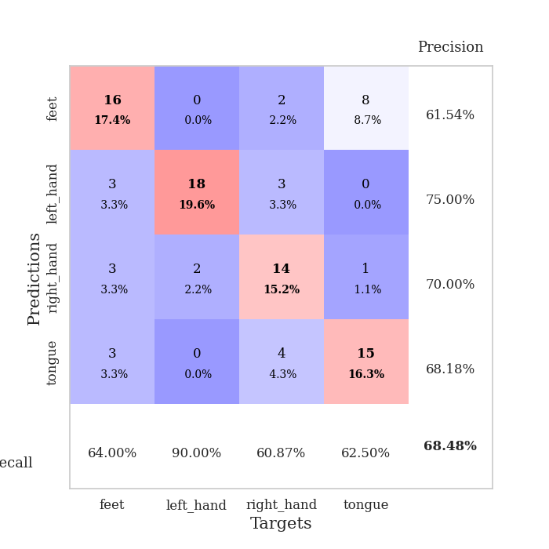
1.1254403539 | 6.1271860081 | 0.25543478261 | 0.21739130435 | 0.20975065231 | 25.543478261 | 21.739130435
1.0296899339 | 4.2840093115 | 0.25543478261 | 0.21739130435 | 0.2110645771 | 25.543478261 | 21.739130435
1.0389785326 | 2.3875810996 | 0.25543478261 | 0.21739130435 | 0.21100735664 | 25.543478261 | 21.739130435
0.98428146476 | 3.9239188692 | 0.25543478261 | 0.21739130435 | 0.20963788033 | 25.543478261 | 21.739130435
1.0149783673 | 3.2960674037 | 0.25543478261 | 0.21739130435 | 0.20955681801 | 25.543478261 | 21.739130435
1.0567677876 | 4.0828719346 | 0.25543478261 | 0.21739130435 | 0.20975208282 | 25.543478261 | 21.739130435
1.0142493663 | 6.0966204975 | 0.25543478261 | 0.21739130435 | 0.21269369125 | 25.543478261 | 21.739130435
1.0176832935 | 5.4632282879 | 0.25543478261 | 0.21739130435 | 0.210303545 | 25.543478261 | 21.739130435
0.94155874978 | 6.0741530709 | 0.25543478261 | 0.21739130435 | 0.2114803791 | 25.543478261 | 21.739130435
1.0136400798 | 5.5400237001 | 0.25543478261 | 0.21739130435 | 0.21024632454 | 25.543478261 | 21.739130435
0.97302190117 | 9.2354800597 | 0.25543478261 | 0.21739130435 | 0.20941233635 | 25.543478261 | 21.739130435
0.96980843078 | 9.3466670409 | 0.25543478261 | 0.21739130435 | 0.21132063866 | 25.543478261 | 21.739130435
0.93009675327 | 12.329767186 | 0.25543478261 | 0.21739130435 | 0.21335935593 | 25.543478261 | 21.739130435
1.0163998422 | 10.514879102 | 0.25543478261 | 0.21739130435 | 0.21400642395 | 25.543478261 | 21.739130435
0.90442154718 | 11.625357628 | 0.25543478261 | 0.21739130435 | 0.21333551407 | 25.543478261 | 21.739130435
0.96144768725 | 10.302670354 | 0.25543478261 | 0.21739130435 | 0.21323728561 | 25.543478261 | 21.739130435
0.96697659596 | 9.4710477331 | 0.25543478261 | 0.21739130435 | 0.2105948925 | 25.543478261 | 21.739130435
0.92460781595 | 8.1735678963 | 0.25543478261 | 0.21739130435 | 0.2112288475 | 25.543478261 | 21.739130435
0.89699820591 | 10.168164585 | 0.25543478261 | 0.21739130435 | 0.2101225853 | 25.543478261 | 21.739130435
0.87709783989 | 9.4434209077 | 0.25543478261 | 0.21739130435 | 0.21208930016 | 25.543478261 | 21.739130435
0.886772389 | 11.492131316 | 0.25543478261 | 0.21739130435 | 0.20959758759 | 25.543478261 | 21.739130435
0.80195510647 | 14.046211077 | 0.25543478261 | 0.21739130435 | 0.20969891548 | 25.543478261 | 21.739130435
0.87847386495 | 12.003355151 | 0.25543478261 | 0.21739130435 | 0.2133872509 | 25.543478261 | 21.739130435
0.90343411591 | 10.800215141 | 0.25543478261 | 0.21739130435 | 0.21128892899 | 25.543478261 | 21.739130435
0.80054181037 | 7.6065563741 | 0.25543478261 | 0.21739130435 | 0.21298933029 | 25.543478261 | 21.739130435
0.92289593168 | 1.6508110762 | 0.25543478261 | 0.21739130435 | 0.20837855339 | 25.543478261 | 21.739130435
0.88224937087 | 1.1179152831 | 0.32065217391 | 0.28260869565 | 0.21135282516 | 32.065217391 | 28.260869565
0.76032208878 | 1.4993227461 | 0.44565217391 | 0.40217391304 | 0.21146178246 | 44.565217391 | 40.217391304
0.83563854383 | 1.5016165972 | 0.42119565217 | 0.36956521739 | 0.213732481 | 42.119565217 | 36.956521739
0.80562246364 | 1.4606611159 | 0.42663043478 | 0.34782608696 | 0.21210622787 | 42.663043478 | 34.782608696
0.80487902009 | 1.41282985 | 0.42391304348 | 0.35869565217 | 0.21140670776 | 42.391304348 | 35.869565217
0.84426596631 | 1.3430688018 | 0.4347826087 | 0.35869565217 | 0.21234035492 | 43.47826087 | 35.869565217

Best Val accuracy is 0.40217391304347827 and Best test accuracy is 0.3879310344827586

