Sheet
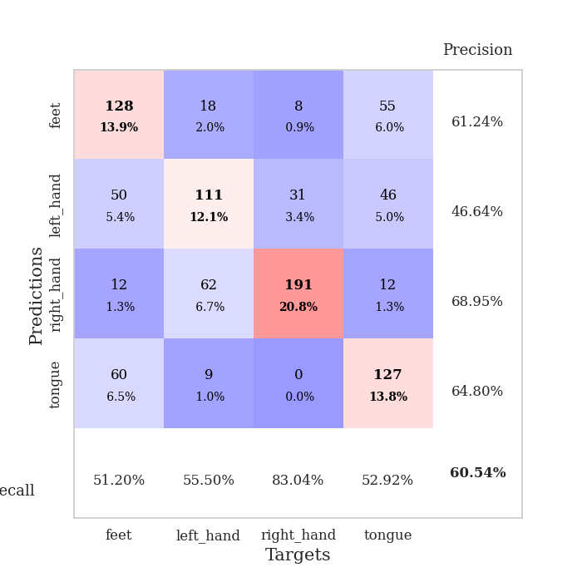
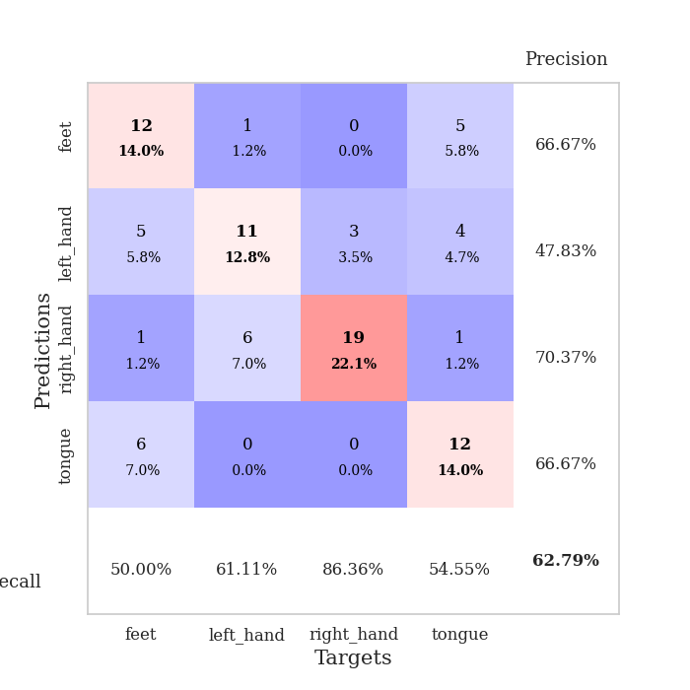
best_val_acc | best_val_los | best_test_acc
0.5652173913 | 1.0794336666 | 0.48275862069
0.60869565217 | 0.98176253619 | 0.60344827586
0.66304347826 | 0.9487439083 | 0.60344827586
0.70652173913 | 0.81968609276 | 0.54310344828
0.54347826087 | 1.1173738863 | 0.50862068966
0.54347826087 | 1.1130427796 | 0.51724137931
0.64130434783 | 1.0128161493 | 0.55172413793
0.5652173913 | 0.98620561154 | 0.5775862069
0.61956521739 | 1.0625617012 | 0.50862068966
0.59782608696 | 1.0973007523 | 0.51724137931

Mean,std Val accuracy is 0.6054347826086957 , 0.053752781125081806 and mean, std test accuracy is 0.5413793103448277 , 0.041997300934356566

Sheet1
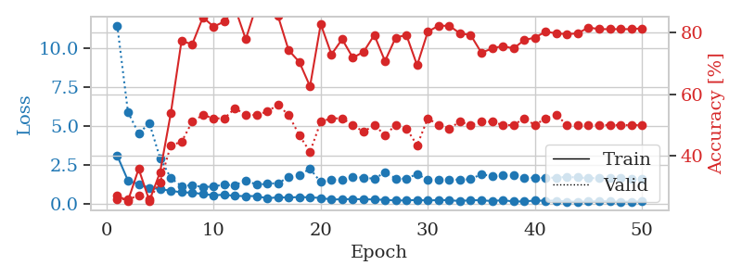
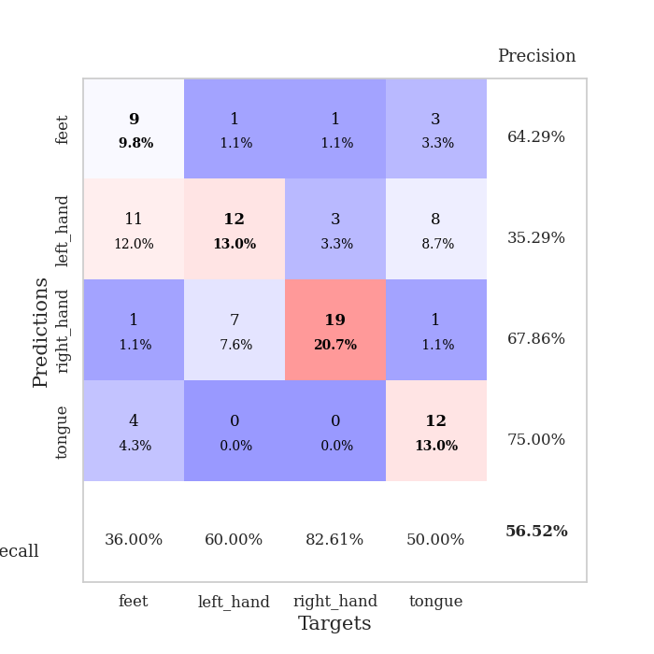
train_loss | valid_loss | train_accuracy | valid_accuracy | dur | train_misclass | valid_misclass
3.1064401036 | 11.458982592 | 0.27173913043 | 0.26086956522 | 1.6800045967 | 27.173913043 | 26.086956522
1.5149727645 | 5.907840708 | 0.25543478261 | 0.26086956522 | 0.085344791412 | 25.543478261 | 26.086956522
1.279674784 | 4.5269194271 | 0.35869565217 | 0.27173913043 | 0.082336187363 | 35.869565217 | 27.173913043
1.0408492373 | 5.1945545155 | 0.25543478261 | 0.26086956522 | 0.082856655121 | 25.543478261 | 26.086956522
0.97352224329 | 2.947351041 | 0.34782608696 | 0.3152173913 | 0.082940340042 | 34.782608696 | 31.52173913
0.85255649038 | 1.6788166347 | 0.53804347826 | 0.4347826087 | 0.083423376083 | 53.804347826 | 43.47826087
0.76242420984 | 1.1571107222 | 0.77173913043 | 0.44565217391 | 0.083268642426 | 77.173913043 | 44.565217391
0.73412353319 | 1.2265932404 | 0.76086956522 | 0.51086956522 | 0.08548116684 | 76.086956522 | 51.086956522
0.65073752922 | 1.0794336666 | 0.84782608696 | 0.53260869565 | 0.084035396576 | 84.782608696 | 53.260869565
0.56868042764 | 1.1517089424 | 0.81793478261 | 0.52173913043 | 0.09114408493 | 81.793478261 | 52.173913043
0.60597731756 | 1.239936103 | 0.83423913043 | 0.52173913043 | 0.085136175156 | 83.423913043 | 52.173913043
0.52830415057 | 1.2168252442 | 0.8777173913 | 0.55434782609 | 0.084188699722 | 87.77173913 | 55.434782609
0.51490736396 | 1.5259843702 | 0.77717391304 | 0.53260869565 | 0.08343911171 | 77.717391304 | 53.260869565
0.51985603182 | 1.250607221 | 0.88586956522 | 0.53260869565 | 0.084942817688 | 88.586956522 | 53.260869565
0.37036244928 | 1.3039549304 | 0.86956521739 | 0.54347826087 | 0.084657430649 | 86.956521739 | 54.347826087
0.44446191775 | 1.35417429 | 0.85326086957 | 0.5652173913 | 0.089904785156 | 85.326086957 | 56.52173913
0.41763429927 | 1.7127035234 | 0.74184782609 | 0.53260869565 | 0.083072900772 | 74.184782609 | 53.260869565
0.46135458415 | 1.8776958248 | 0.70380434783 | 0.46739130435 | 0.085042238235 | 70.380434783 | 46.739130435
0.43031988584 | 2.2639862765 | 0.625 | 0.41304347826 | 0.083573579788 | 62.5 | 41.304347826
0.40321634062 | 1.4153544307 | 0.82608695652 | 0.51086956522 | 0.084077119827 | 82.608695652 | 51.086956522
0.29033289558 | 1.5602674588 | 0.72826086957 | 0.52173913043 | 0.082850694656 | 72.826086957 | 52.173913043
0.31704217714 | 1.5622395355 | 0.77717391304 | 0.52173913043 | 0.082573652267 | 77.717391304 | 52.173913043
0.32263472385 | 1.72967259 | 0.71739130435 | 0.5 | 0.082486867905 | 71.739130435 | 50
0.31500745306 | 1.7010042253 | 0.73641304348 | 0.47826086957 | 0.082149505615 | 73.641304348 | 47.826086957
0.29793958204 | 1.6286350981 | 0.79076086957 | 0.5 | 0.081976413727 | 79.076086957 | 50
0.27645559803 | 2.0345750011 | 0.70652173913 | 0.46739130435 | 0.083584070206 | 70.652173913 | 46.739130435
0.23417819712 | 1.6473687291 | 0.78260869565 | 0.5 | 0.082629203796 | 78.260869565 | 50
0.2417711716 | 1.6296451817 | 0.79076086957 | 0.48913043478 | 0.081623792648 | 79.076086957 | 48.913043478
0.26734442231 | 1.9363418921 | 0.69293478261 | 0.4347826087 | 0.081608533859 | 69.293478261 | 43.47826087
0.23206514104 | 1.5505024972 | 0.80163043478 | 0.52173913043 | 0.081478118896 | 80.163043478 | 52.173913043
0.2627488731 | 1.5481341222 | 0.82065217391 | 0.5 | 0.081696748734 | 82.065217391 | 50
0.25268315038 | 1.5726514925 | 0.82065217391 | 0.48913043478 | 0.081604957581 | 82.065217391 | 48.913043478
0.19976995221 | 1.5741584482 | 0.79619565217 | 0.51086956522 | 0.081540346146 | 79.619565217 | 51.086956522
0.25551737715 | 1.600112985 | 0.79076086957 | 0.5 | 0.081564426422 | 79.076086957 | 50
0.24782121846 | 1.9230733488 | 0.73369565217 | 0.51086956522 | 0.081419467926 | 73.369565217 | 51.086956522
0.19839255771 | 1.7846809626 | 0.7472826087 | 0.51086956522 | 0.081393718719 | 74.72826087 | 51.086956522
0.25483856083 | 1.8432705195 | 0.75543478261 | 0.5 | 0.084941625595 | 75.543478261 | 50
0.17268690532 | 1.8384348724 | 0.7472826087 | 0.5 | 0.082004070282 | 74.72826087 | 50
0.17593232769 | 1.6891870188 | 0.77445652174 | 0.52173913043 | 0.081918954849 | 77.445652174 | 52.173913043
0.23351256517 | 1.6946403851 | 0.78260869565 | 0.5 | 0.081429958344 | 78.260869565 | 50
0.21607143432 | 1.6786595738 | 0.80163043478 | 0.52173913043 | 0.081660985947 | 80.163043478 | 52.173913043
0.22211782229 | 1.7056528174 | 0.79619565217 | 0.53260869565 | 0.081897497177 | 79.619565217 | 53.260869565
0.164043289 | 1.7427596217 | 0.79347826087 | 0.5 | 0.081421375275 | 79.347826087 | 50
0.15564756282 | 1.7124412552 | 0.79619565217 | 0.5 | 0.081965208054 | 79.619565217 | 50
0.16856590545 | 1.6667541084 | 0.8152173913 | 0.5 | 0.081850528717 | 81.52173913 | 50
0.18581244592 | 1.6713141954 | 0.8097826087 | 0.5 | 0.081755638123 | 80.97826087 | 50
0.1822597497 | 1.6697121159 | 0.8097826087 | 0.5 | 0.081614255905 | 80.97826087 | 50
0.15183489608 | 1.6629205968 | 0.8097826087 | 0.5 | 0.081602096558 | 80.97826087 | 50
0.16206101539 | 1.6518569796 | 0.8097826087 | 0.5 | 0.081513643265 | 80.97826087 | 50
0.18099590035 | 1.6403097692 | 0.8125 | 0.5 | 0.081796884537 | 81.25 | 50

Best Val accuracy is 0.5652173913043478 and Best test accuracy is 0.4827586206896552

Sheet2
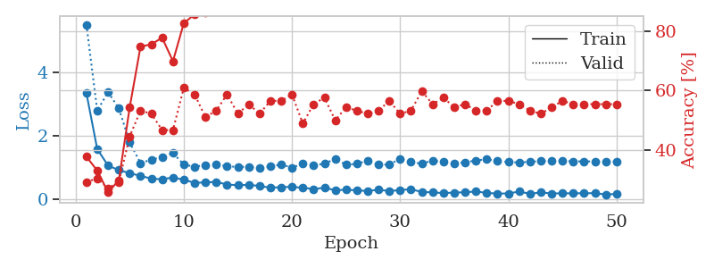
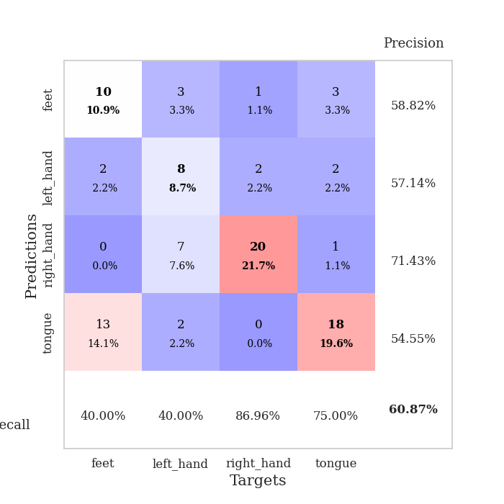
train_loss | valid_loss | train_accuracy | valid_accuracy | dur | train_misclass | valid_misclass
3.3380153076 | 5.491672039 | 0.3777173913 | 0.29347826087 | 0.084341526031 | 37.77173913 | 29.347826087
1.5802755097 | 2.7865736277 | 0.33152173913 | 0.30434782609 | 0.08220911026 | 33.152173913 | 30.434782609
1.0624359691 | 3.3722853142 | 0.25815217391 | 0.27173913043 | 0.082103013992 | 25.815217391 | 27.173913043
0.91737202717 | 2.8548482086 | 0.29891304348 | 0.29347826087 | 0.081680774689 | 29.891304348 | 29.347826087
0.82454166723 | 1.7900437324 | 0.54347826087 | 0.44565217391 | 0.081799030304 | 54.347826087 | 44.565217391
0.73872936161 | 1.1375449352 | 0.7472826087 | 0.53260869565 | 0.081854104996 | 74.72826087 | 53.260869565
0.65125377152 | 1.2500143466 | 0.75543478261 | 0.52173913043 | 0.081927537918 | 75.543478261 | 52.173913043
0.63254780873 | 1.3232190946 | 0.77717391304 | 0.46739130435 | 0.086194753647 | 77.717391304 | 46.739130435
0.68952230656 | 1.4548244658 | 0.69836956522 | 0.46739130435 | 0.082348108292 | 69.836956522 | 46.739130435
0.6152634355 | 1.0948345169 | 0.82608695652 | 0.60869565217 | 0.081905126572 | 82.608695652 | 60.869565217
0.52037152518 | 1.025079227 | 0.85597826087 | 0.58695652174 | 0.082131147385 | 85.597826087 | 58.695652174
0.53158309537 | 1.0790604975 | 0.86141304348 | 0.51086956522 | 0.082055807114 | 86.141304348 | 51.086956522
0.55086302498 | 1.1065488795 | 0.86956521739 | 0.53260869565 | 0.081912517548 | 86.956521739 | 53.260869565
0.46494210997 | 1.0336761164 | 0.91032608696 | 0.58695652174 | 0.082189083099 | 91.032608696 | 58.695652174
0.44545681192 | 1.02391817 | 0.92391304348 | 0.52173913043 | 0.081695795059 | 92.391304348 | 52.173913043
0.45743790496 | 1.0213844051 | 0.89673913043 | 0.55434782609 | 0.081971883774 | 89.673913043 | 55.434782609
0.42077331504 | 0.98176253619 | 0.94293478261 | 0.52173913043 | 0.082035064697 | 94.293478261 | 52.173913043
0.36736568161 | 1.039603889 | 0.95380434783 | 0.5652173913 | 0.082270860672 | 95.380434783 | 56.52173913
0.38282638983 | 1.0920457736 | 0.92934782609 | 0.5652173913 | 0.082277059555 | 92.934782609 | 56.52173913
0.39479915927 | 1.0001580275 | 0.95380434783 | 0.58695652174 | 0.081715345383 | 95.380434783 | 58.695652174
0.36262396917 | 1.1159031495 | 0.90760869565 | 0.48913043478 | 0.081791877747 | 90.760869565 | 48.913043478
0.32695546228 | 1.0681033964 | 0.92663043478 | 0.55434782609 | 0.081854581833 | 92.663043478 | 55.434782609
0.36454505441 | 1.1225068129 | 0.9402173913 | 0.57608695652 | 0.08179974556 | 94.02173913 | 57.608695652
0.28979988591 | 1.2726650471 | 0.88858695652 | 0.5 | 0.081915140152 | 88.858695652 | 50
0.30150066802 | 1.0872217235 | 0.95380434783 | 0.54347826087 | 0.082189798355 | 95.380434783 | 54.347826087
0.28536353034 | 1.1139524709 | 0.96195652174 | 0.53260869565 | 0.08173584938 | 96.195652174 | 53.260869565
0.2606563134 | 1.2246959417 | 0.9375 | 0.52173913043 | 0.081479787827 | 93.75 | 52.173913043
0.30573922493 | 1.0890307323 | 0.95652173913 | 0.53260869565 | 0.081556797028 | 95.652173913 | 53.260869565
0.25945091766 | 1.0966246335 | 0.97010869565 | 0.5652173913 | 0.08211016655 | 97.010869565 | 56.52173913
0.2958216732 | 1.2742597538 | 0.92934782609 | 0.52173913043 | 0.08180141449 | 92.934782609 | 52.173913043
0.31655171708 | 1.1721317742 | 0.92934782609 | 0.53260869565 | 0.083626508713 | 92.934782609 | 53.260869565
0.23408188784 | 1.1206170061 | 0.96195652174 | 0.59782608696 | 0.081394910812 | 96.195652174 | 59.782608696
0.21972299464 | 1.2253470732 | 0.94293478261 | 0.55434782609 | 0.0814473629 | 94.293478261 | 55.434782609
0.19665547703 | 1.1713675001 | 0.95380434783 | 0.57608695652 | 0.081465482712 | 95.380434783 | 57.608695652
0.2139497435 | 1.1388462626 | 0.97010869565 | 0.54347826087 | 0.081796169281 | 97.010869565 | 54.347826087
0.22217249708 | 1.1631880973 | 0.95380434783 | 0.55434782609 | 0.08195567131 | 95.380434783 | 55.434782609
0.24839043528 | 1.2225847814 | 0.94836956522 | 0.53260869565 | 0.0814909935 | 94.836956522 | 53.260869565
0.20316630991 | 1.2590351208 | 0.94836956522 | 0.53260869565 | 0.08162021637 | 94.836956522 | 53.260869565
0.18096868921 | 1.2061516954 | 0.97010869565 | 0.5652173913 | 0.081454992294 | 97.010869565 | 56.52173913
0.18632032852 | 1.1722347866 | 0.97282608696 | 0.5652173913 | 0.082541704178 | 97.282608696 | 56.52173913
0.24513000849 | 1.1612349464 | 0.97554347826 | 0.55434782609 | 0.082245588303 | 97.554347826 | 55.434782609
0.17577669057 | 1.1809406047 | 0.96195652174 | 0.53260869565 | 0.082271575928 | 96.195652174 | 53.260869565
0.21774847449 | 1.2018228121 | 0.96195652174 | 0.52173913043 | 0.083207845688 | 96.195652174 | 52.173913043
0.18595018797 | 1.2003788559 | 0.95923913043 | 0.54347826087 | 0.085125207901 | 95.923913043 | 54.347826087
0.18930039603 | 1.2013635661 | 0.96195652174 | 0.5652173913 | 0.084073066711 | 96.195652174 | 56.52173913
0.19012376941 | 1.1956345802 | 0.96467391304 | 0.55434782609 | 0.084438562393 | 96.467391304 | 55.434782609
0.19296254319 | 1.193320067 | 0.96739130435 | 0.55434782609 | 0.083753824234 | 96.739130435 | 55.434782609
0.19464208931 | 1.192038733 | 0.96739130435 | 0.55434782609 | 0.082862615585 | 96.739130435 | 55.434782609
0.15252260345 | 1.1905516645 | 0.96739130435 | 0.55434782609 | 0.08672952652 | 96.739130435 | 55.434782609
0.17194422853 | 1.1895417416 | 0.96739130435 | 0.55434782609 | 0.082572698593 | 96.739130435 | 55.434782609

Best Val accuracy is 0.6086956521739131 and Best test accuracy is 0.603448275862069

Sheet3
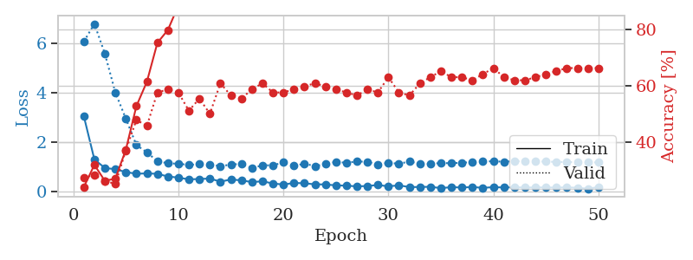
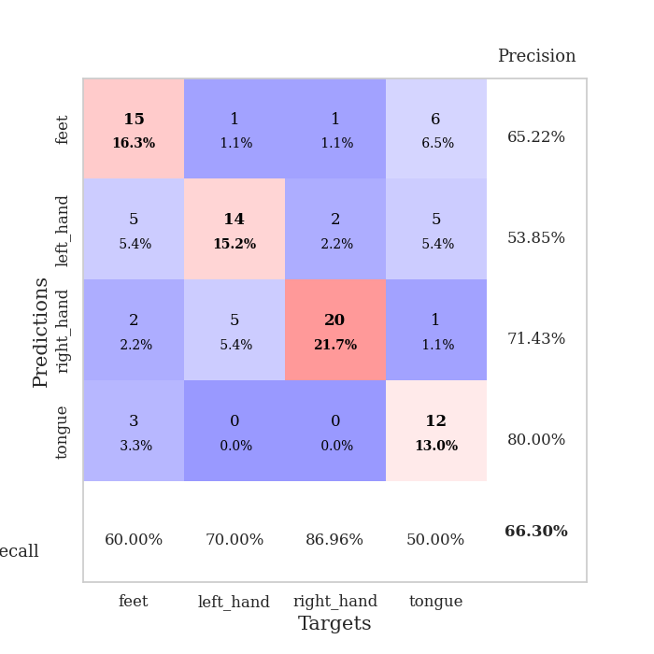
train_loss | valid_loss | train_accuracy | valid_accuracy | dur | train_misclass | valid_misclass
3.040305941 | 6.0647304576 | 0.23913043478 | 0.27173913043 | 0.082924127579 | 23.913043478 | 27.173913043
1.3008621905 | 6.7788950879 | 0.31793478261 | 0.28260869565 | 0.082296133041 | 31.793478261 | 28.260869565
0.95612885382 | 5.5734132062 | 0.26086956522 | 0.26086956522 | 0.081453561783 | 26.086956522 | 26.086956522
0.90645981612 | 4.0015852244 | 0.26902173913 | 0.25 | 0.083714485168 | 26.902173913 | 25
0.79166857056 | 2.9461967116 | 0.3722826087 | 0.36956521739 | 0.083364486694 | 37.22826087 | 36.956521739
0.72241199405 | 1.8833192898 | 0.52717391304 | 0.47826086957 | 0.082904577255 | 52.717391304 | 47.826086957
0.73782915654 | 1.5864850309 | 0.61413043478 | 0.45652173913 | 0.08719587326 | 61.413043478 | 45.652173913
0.72005960604 | 1.2297296602 | 0.7527173913 | 0.57608695652 | 0.083374261856 | 75.27173913 | 57.608695652
0.61236632648 | 1.146885351 | 0.79891304348 | 0.58695652174 | 0.082583904266 | 79.891304348 | 58.695652174
0.56782570611 | 1.1250969871 | 0.88586956522 | 0.57608695652 | 0.08558344841 | 88.586956522 | 57.608695652
0.49546447137 | 1.0817869046 | 0.90760869565 | 0.51086956522 | 0.084894657135 | 90.760869565 | 51.086956522
0.51115239379 | 1.1072435042 | 0.89945652174 | 0.55434782609 | 0.082782506943 | 89.945652174 | 55.434782609
0.52985459437 | 1.0943963774 | 0.91304347826 | 0.5 | 0.082533121109 | 91.304347826 | 50
0.40350531495 | 1.0340058881 | 0.9375 | 0.60869565217 | 0.082286834717 | 93.75 | 60.869565217
0.49136656911 | 1.0898898905 | 0.9375 | 0.5652173913 | 0.084358692169 | 93.75 | 56.52173913
0.45676389725 | 1.1271918753 | 0.92663043478 | 0.55434782609 | 0.084074020386 | 92.663043478 | 55.434782609
0.38595624138 | 0.9487439083 | 0.94836956522 | 0.58695652174 | 0.088460922241 | 94.836956522 | 58.695652174
0.41876287078 | 1.0619756813 | 0.93206521739 | 0.60869565217 | 0.088089704514 | 93.206521739 | 60.869565217
0.33084551537 | 1.0660053129 | 0.94565217391 | 0.57608695652 | 0.08747625351 | 94.565217391 | 57.608695652
0.28704496991 | 1.1773383514 | 0.91304347826 | 0.57608695652 | 0.085969209671 | 91.304347826 | 57.608695652
0.35027340638 | 1.0407767296 | 0.95108695652 | 0.58695652174 | 0.084092617035 | 95.108695652 | 58.695652174
0.33930991104 | 1.1293246331 | 0.91847826087 | 0.59782608696 | 0.087064266205 | 91.847826087 | 59.782608696
0.29553497129 | 1.034825772 | 0.92391304348 | 0.60869565217 | 0.083160400391 | 92.391304348 | 60.869565217
0.29189979479 | 1.1078846869 | 0.94836956522 | 0.59782608696 | 0.082520961761 | 94.836956522 | 59.782608696
0.25274365104 | 1.2034688644 | 0.91576086957 | 0.58695652174 | 0.083014965057 | 91.576086957 | 58.695652174
0.24249550765 | 1.1646751969 | 0.92663043478 | 0.57608695652 | 0.082156896591 | 92.663043478 | 57.608695652
0.21285387193 | 1.2202651293 | 0.91847826087 | 0.5652173913 | 0.084194421768 | 91.847826087 | 56.52173913
0.22900630841 | 1.2051848717 | 0.92119565217 | 0.58695652174 | 0.084405183792 | 92.119565217 | 58.695652174
0.26721573961 | 1.1014789291 | 0.92934782609 | 0.57608695652 | 0.084297418594 | 92.934782609 | 57.608695652
0.21523429461 | 1.1641038643 | 0.91847826087 | 0.63043478261 | 0.084829568863 | 91.847826087 | 63.043478261
0.25432766618 | 1.1281946029 | 0.95108695652 | 0.57608695652 | 0.08477973938 | 95.108695652 | 57.608695652
0.18499261481 | 1.2133053178 | 0.94293478261 | 0.5652173913 | 0.085031270981 | 94.293478261 | 56.52173913
0.18767313141 | 1.1308479115 | 0.94836956522 | 0.60869565217 | 0.083706855774 | 94.836956522 | 60.869565217
0.1967107869 | 1.1215430135 | 0.94836956522 | 0.63043478261 | 0.086617708206 | 94.836956522 | 63.043478261
0.14132142958 | 1.1557525655 | 0.95108695652 | 0.65217391304 | 0.082764387131 | 95.108695652 | 65.217391304
0.18182426642 | 1.1480171486 | 0.9402173913 | 0.63043478261 | 0.083878755569 | 94.02173913 | 63.043478261
0.16553531701 | 1.1684584203 | 0.94836956522 | 0.63043478261 | 0.082207679749 | 94.836956522 | 63.043478261
0.18719011286 | 1.1911395762 | 0.93206521739 | 0.61956521739 | 0.082180261612 | 93.206521739 | 61.956521739
0.15307509389 | 1.2258193933 | 0.9375 | 0.64130434783 | 0.081703662872 | 93.75 | 64.130434783
0.18163764169 | 1.2231391824 | 0.9375 | 0.66304347826 | 0.081798315048 | 93.75 | 66.304347826
0.1675504527 | 1.2122053297 | 0.94293478261 | 0.63043478261 | 0.082200050354 | 94.293478261 | 63.043478261
0.17891217622 | 1.224112845 | 0.9347826087 | 0.61956521739 | 0.081899166107 | 93.47826087 | 61.956521739
0.1624029465 | 1.2282445223 | 0.9347826087 | 0.61956521739 | 0.085189819336 | 93.47826087 | 61.956521739
0.17045358212 | 1.218681478 | 0.9402173913 | 0.63043478261 | 0.083424329758 | 94.02173913 | 63.043478261
0.16931379943 | 1.2146967261 | 0.9402173913 | 0.64130434783 | 0.088064908981 | 94.02173913 | 64.130434783
0.16331400657 | 1.2019247257 | 0.94293478261 | 0.65217391304 | 0.083362817764 | 94.293478261 | 65.217391304
0.17270464644 | 1.1945436441 | 0.94565217391 | 0.66304347826 | 0.083186388016 | 94.565217391 | 66.304347826
0.15555920152 | 1.1885534797 | 0.94565217391 | 0.66304347826 | 0.08308506012 | 94.565217391 | 66.304347826
0.11846326462 | 1.1841168391 | 0.94836956522 | 0.66304347826 | 0.083200216293 | 94.836956522 | 66.304347826
0.18454204435 | 1.1794787606 | 0.94836956522 | 0.66304347826 | 0.082877397537 | 94.836956522 | 66.304347826

Best Val accuracy is 0.6630434782608695 and Best test accuracy is 0.603448275862069

Sheet4
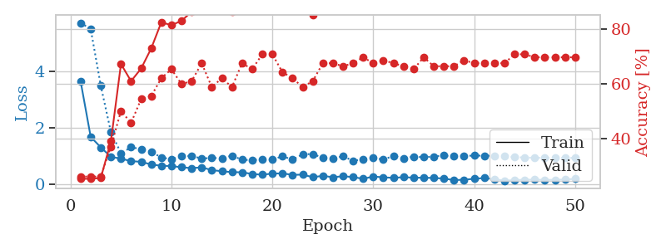
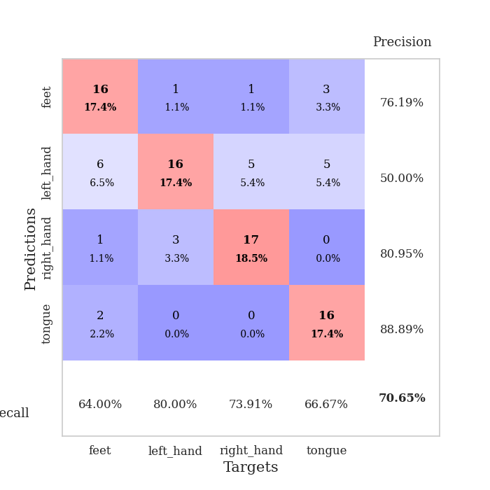
train_loss | valid_loss | train_accuracy | valid_accuracy | dur | train_misclass | valid_misclass
3.6451416586 | 5.7184284459 | 0.2527173913 | 0.26086956522 | 0.084476947784 | 25.27173913 | 26.086956522
1.6705150241 | 5.4979968486 | 0.2527173913 | 0.26086956522 | 0.082394361496 | 25.27173913 | 26.086956522
1.29931375 | 3.4847484257 | 0.25543478261 | 0.26086956522 | 0.082267522812 | 25.543478261 | 26.086956522
0.96187471825 | 1.8460989102 | 0.38858695652 | 0.36956521739 | 0.082363128662 | 38.858695652 | 36.956521739
0.89820340405 | 1.0901038362 | 0.67119565217 | 0.5 | 0.08252453804 | 67.119565217 | 50
0.80936635836 | 1.3011261225 | 0.60869565217 | 0.45652173913 | 0.082948923111 | 60.869565217 | 45.652173913
0.78637098229 | 1.2389548525 | 0.65489130435 | 0.54347826087 | 0.087828397751 | 65.489130435 | 54.347826087
0.69008191124 | 1.1367472255 | 0.72826086957 | 0.55434782609 | 0.082250833511 | 72.826086957 | 55.434782609
0.64539889667 | 0.94074035209 | 0.82336956522 | 0.61956521739 | 0.082544088364 | 82.336956522 | 61.956521739
0.63494346971 | 0.87605884023 | 0.8125 | 0.65217391304 | 0.082227706909 | 81.25 | 65.217391304
0.59303372321 | 0.98581912207 | 0.82880434783 | 0.59782608696 | 0.082226037979 | 82.880434783 | 59.782608696
0.55993061869 | 0.98818374458 | 0.86141304348 | 0.60869565217 | 0.082053422928 | 86.141304348 | 60.869565217
0.59030385834 | 0.90486222246 | 0.89673913043 | 0.67391304348 | 0.082087039948 | 89.673913043 | 67.391304348
0.48976113161 | 0.92090015826 | 0.875 | 0.58695652174 | 0.082631349564 | 87.5 | 58.695652174
0.45209655101 | 0.9160238621 | 0.89945652174 | 0.61956521739 | 0.083099365234 | 89.945652174 | 61.956521739
0.41737833295 | 1.0027687057 | 0.86141304348 | 0.58695652174 | 0.083062887192 | 86.141304348 | 58.695652174
0.4151246444 | 0.85881824467 | 0.90217391304 | 0.67391304348 | 0.083045482635 | 90.217391304 | 67.391304348
0.35229552764 | 0.84375215095 | 0.9347826087 | 0.65217391304 | 0.082595586777 | 93.47826087 | 65.217391304
0.32924993271 | 0.87253218241 | 0.91032608696 | 0.70652173913 | 0.082126140594 | 91.032608696 | 70.652173913
0.36678526162 | 0.86287552766 | 0.94565217391 | 0.70652173913 | 0.082277059555 | 94.565217391 | 70.652173913
0.37615729933 | 0.98492697529 | 0.90489130435 | 0.64130434783 | 0.082474946976 | 90.489130435 | 64.130434783
0.32188313843 | 0.86221661775 | 0.92391304348 | 0.61956521739 | 0.08248257637 | 92.391304348 | 61.956521739
0.33111964684 | 1.0506307794 | 0.88043478261 | 0.58695652174 | 0.082315206528 | 88.043478261 | 58.695652174
0.24066531269 | 1.0627752309 | 0.85054347826 | 0.60869565217 | 0.083562850952 | 85.054347826 | 60.869565217
0.28819584782 | 0.92783598796 | 0.91304347826 | 0.67391304348 | 0.083644390106 | 91.304347826 | 67.391304348
0.23870368302 | 0.90442094466 | 0.91304347826 | 0.67391304348 | 0.08393907547 | 91.304347826 | 67.391304348
0.27421428198 | 0.98496424115 | 0.89130434783 | 0.66304347826 | 0.083332061768 | 89.130434783 | 66.304347826
0.24443395792 | 0.81968609276 | 0.95108695652 | 0.67391304348 | 0.084425926208 | 95.108695652 | 67.391304348
0.18198591341 | 0.87866623376 | 0.9375 | 0.69565217391 | 0.088485479355 | 93.75 | 69.565217391
0.26387552318 | 0.92963245511 | 0.9375 | 0.67391304348 | 0.085472822189 | 93.75 | 67.391304348
0.23474912572 | 0.86039700845 | 0.96739130435 | 0.6847826087 | 0.084810256958 | 96.739130435 | 68.47826087
0.21666290546 | 0.99863051979 | 0.92391304348 | 0.67391304348 | 0.084171295166 | 92.391304348 | 67.391304348
0.23973841431 | 0.9115122764 | 0.95380434783 | 0.66304347826 | 0.083466053009 | 95.380434783 | 66.304347826
0.22295532181 | 0.97037888351 | 0.95380434783 | 0.65217391304 | 0.082960605621 | 95.380434783 | 65.217391304
0.21977429157 | 0.94804066808 | 0.95923913043 | 0.69565217391 | 0.0835750103 | 95.923913043 | 69.565217391
0.21344223376 | 0.97509708353 | 0.93206521739 | 0.66304347826 | 0.08679318428 | 93.206521739 | 66.304347826
0.19120513437 | 1.0092172934 | 0.90760869565 | 0.66304347826 | 0.084726572037 | 90.760869565 | 66.304347826
0.13658973542 | 0.97654548417 | 0.94293478261 | 0.66304347826 | 0.083498239517 | 94.293478261 | 66.304347826
0.15002723233 | 0.98824677908 | 0.93206521739 | 0.6847826087 | 0.082759857178 | 93.206521739 | 68.47826087
0.18378096495 | 1.0097400054 | 0.9347826087 | 0.67391304348 | 0.083644866943 | 93.47826087 | 67.391304348
0.21002722159 | 0.99944973899 | 0.9375 | 0.67391304348 | 0.083322763443 | 93.75 | 67.391304348
0.17288975207 | 0.99940340286 | 0.9402173913 | 0.67391304348 | 0.08379483223 | 94.02173913 | 67.391304348
0.11421605993 | 0.97960748491 | 0.94836956522 | 0.67391304348 | 0.082861423492 | 94.836956522 | 67.391304348
0.13841590342 | 0.95348578044 | 0.95652173913 | 0.70652173913 | 0.082109451294 | 95.652173913 | 70.652173913
0.14817206715 | 0.93860459457 | 0.96739130435 | 0.70652173913 | 0.082863330841 | 96.739130435 | 70.652173913
0.15335869724 | 0.92808042531 | 0.96739130435 | 0.69565217391 | 0.08230805397 | 96.739130435 | 69.565217391
0.141968076 | 0.9267267209 | 0.96739130435 | 0.69565217391 | 0.082714319229 | 96.739130435 | 69.565217391
0.14721344784 | 0.92548421803 | 0.96739130435 | 0.69565217391 | 0.082307338715 | 96.739130435 | 69.565217391
0.15512054138 | 0.92437025905 | 0.97010869565 | 0.69565217391 | 0.082266807556 | 97.010869565 | 69.565217391
0.18255328014 | 0.922778 | 0.97010869565 | 0.69565217391 | 0.082210063934 | 97.010869565 | 69.565217391

Best Val accuracy is 0.7065217391304348 and Best test accuracy is 0.5431034482758621

Sheet5
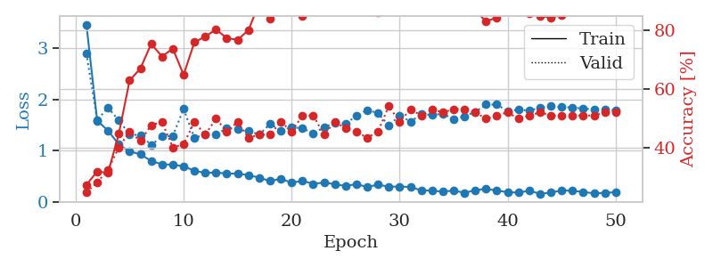
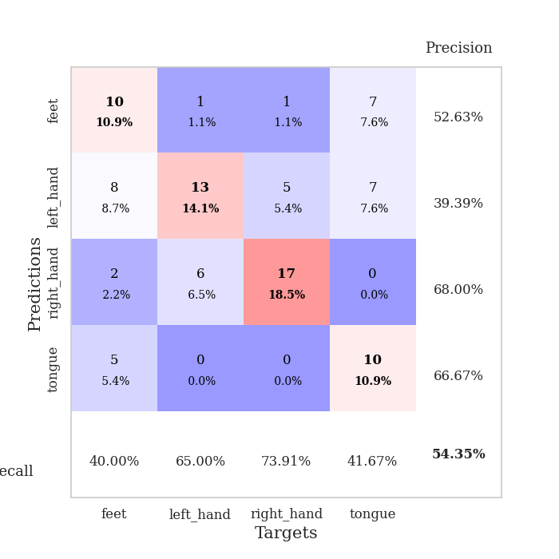
train_loss | valid_loss | train_accuracy | valid_accuracy | dur | train_misclass | valid_misclass
3.4591546473 | 2.8952509735 | 0.27445652174 | 0.25 | 0.084693670273 | 27.445652174 | 25
1.5867244627 | 1.6025925667 | 0.32065217391 | 0.28260869565 | 0.082880735397 | 32.065217391 | 28.260869565
1.3940630426 | 1.8406814596 | 0.3152173913 | 0.32608695652 | 0.082457780838 | 31.52173913 | 32.608695652
1.1245827753 | 1.5897491704 | 0.44836956522 | 0.40217391304 | 0.082005739212 | 44.836956522 | 40.217391304
0.98851242532 | 1.323142399 | 0.63043478261 | 0.45652173913 | 0.082229375839 | 63.043478261 | 45.652173913
0.93216856666 | 1.2992615648 | 0.67119565217 | 0.42391304348 | 0.082392930984 | 67.119565217 | 42.391304348
0.8024112349 | 1.1173738863 | 0.75543478261 | 0.47826086957 | 0.082385063171 | 75.543478261 | 47.826086957
0.73788480007 | 1.2772662225 | 0.71195652174 | 0.48913043478 | 0.083360433578 | 71.195652174 | 48.913043478
0.73119983855 | 1.2903843574 | 0.73913043478 | 0.40217391304 | 0.082165956497 | 73.913043478 | 40.217391304
0.69741661911 | 1.8158479825 | 0.64945652174 | 0.41304347826 | 0.082072973251 | 64.945652174 | 41.304347826
0.61434541707 | 1.2529059104 | 0.76086956522 | 0.48913043478 | 0.081889867783 | 76.086956522 | 48.913043478
0.56787750902 | 1.3148068449 | 0.77989130435 | 0.44565217391 | 0.082345485687 | 77.989130435 | 44.565217391
0.5798874627 | 1.3132493211 | 0.80434782609 | 0.5 | 0.082262039185 | 80.434782609 | 50
0.55539788241 | 1.4418456865 | 0.77445652174 | 0.45652173913 | 0.082615613937 | 77.445652174 | 45.652173913
0.55785302235 | 1.417583025 | 0.76902173913 | 0.48913043478 | 0.082050085068 | 76.902173913 | 48.913043478
0.52625606112 | 1.3888060088 | 0.80163043478 | 0.4347826087 | 0.081931352615 | 80.163043478 | 43.47826087
0.47910430444 | 1.3147155176 | 0.89402173913 | 0.44565217391 | 0.082050800323 | 89.402173913 | 44.565217391
0.41107689946 | 1.5240140557 | 0.83967391304 | 0.44565217391 | 0.082210540771 | 83.967391304 | 44.565217391
0.45475491687 | 1.3953774597 | 0.8722826087 | 0.48913043478 | 0.082043886185 | 87.22826087 | 48.913043478
0.37966752635 | 1.4567858033 | 0.8777173913 | 0.45652173913 | 0.082049369812 | 87.77173913 | 45.652173913
0.41515540753 | 1.4407538201 | 0.85054347826 | 0.51086956522 | 0.082025527954 | 85.054347826 | 51.086956522
0.35726047502 | 1.3399277018 | 0.94293478261 | 0.51086956522 | 0.08300447464 | 94.293478261 | 51.086956522
0.38393677577 | 1.4567027947 | 0.89130434783 | 0.44565217391 | 0.082775115967 | 89.130434783 | 44.565217391
0.3493630763 | 1.5460966152 | 0.88858695652 | 0.48913043478 | 0.082451581955 | 88.858695652 | 48.913043478
0.31501146309 | 1.5319889317 | 0.9347826087 | 0.46739130435 | 0.082651853561 | 93.47826087 | 46.739130435
0.35166426586 | 1.6757856763 | 0.89130434783 | 0.45652173913 | 0.08226776123 | 89.130434783 | 45.652173913
0.29587553733 | 1.7936602313 | 0.8722826087 | 0.4347826087 | 0.082058668137 | 87.22826087 | 43.47826087
0.34325357494 | 1.7317243167 | 0.86141304348 | 0.45652173913 | 0.082055568695 | 86.141304348 | 45.652173913
0.30107714689 | 1.4905758552 | 0.92391304348 | 0.54347826087 | 0.082335233688 | 92.391304348 | 54.347826087
0.30468678183 | 1.6882841328 | 0.86684782609 | 0.48913043478 | 0.085079908371 | 86.684782609 | 48.913043478
0.29548210813 | 1.5681744814 | 0.89402173913 | 0.53260869565 | 0.083889007568 | 89.402173913 | 53.260869565
0.23063629947 | 1.7107571545 | 0.88315217391 | 0.51086956522 | 0.082175970078 | 88.315217391 | 51.086956522
0.22515764541 | 1.7009653216 | 0.88586956522 | 0.53260869565 | 0.086357355118 | 88.586956522 | 53.260869565
0.20448563377 | 1.71963084 | 0.89402173913 | 0.52173913043 | 0.0850481987 | 89.402173913 | 52.173913043
0.22755555063 | 1.6182420876 | 0.89402173913 | 0.53260869565 | 0.082525968552 | 89.402173913 | 53.260869565
0.1822845756 | 1.6741272963 | 0.89130434783 | 0.53260869565 | 0.082737445831 | 89.130434783 | 53.260869565
0.23296160316 | 1.7587230957 | 0.86956521739 | 0.52173913043 | 0.082846403122 | 86.956521739 | 52.173913043
0.26054436033 | 1.9004714748 | 0.83152173913 | 0.5 | 0.08305978775 | 83.152173913 | 50
0.22670145317 | 1.9019198159 | 0.84510869565 | 0.51086956522 | 0.082698583603 | 84.510869565 | 51.086956522
0.194892411 | 1.7682574987 | 0.86684782609 | 0.52173913043 | 0.082683563232 | 86.684782609 | 52.173913043
0.18692752978 | 1.8052932024 | 0.86413043478 | 0.5 | 0.082854747772 | 86.413043478 | 50
0.22349578968 | 1.7797240667 | 0.85869565217 | 0.51086956522 | 0.082534074783 | 85.869565217 | 51.086956522
0.16353733303 | 1.8429060345 | 0.85054347826 | 0.52173913043 | 0.08244562149 | 85.054347826 | 52.173913043
0.18682751837 | 1.8665443348 | 0.84510869565 | 0.51086956522 | 0.082525968552 | 84.510869565 | 51.086956522
0.22861927132 | 1.8512865616 | 0.85326086957 | 0.51086956522 | 0.082043886185 | 85.326086957 | 51.086956522
0.22224268625 | 1.8454779387 | 0.86413043478 | 0.51086956522 | 0.082109451294 | 86.413043478 | 51.086956522
0.19900201877 | 1.8209954371 | 0.8722826087 | 0.51086956522 | 0.082051277161 | 87.22826087 | 51.086956522
0.17105523821 | 1.8080800953 | 0.88043478261 | 0.51086956522 | 0.086927890778 | 88.043478261 | 51.086956522
0.18146306616 | 1.797188396 | 0.88586956522 | 0.52173913043 | 0.087248325348 | 88.586956522 | 52.173913043
0.19461000662 | 1.789429491 | 0.89130434783 | 0.52173913043 | 0.087673664093 | 89.130434783 | 52.173913043

Best Val accuracy is 0.5434782608695652 and Best test accuracy is 0.5086206896551724

Sheet6
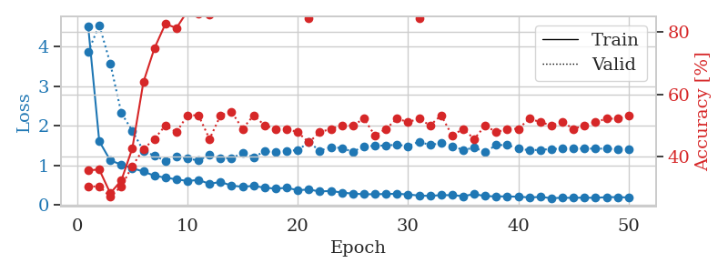
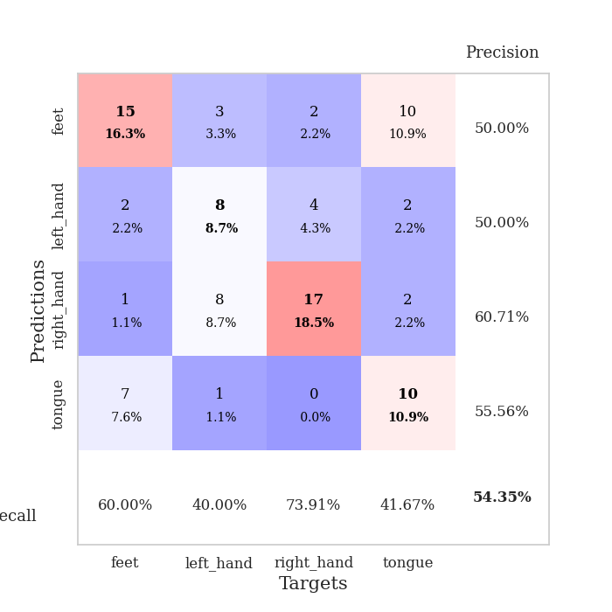
train_loss | valid_loss | train_accuracy | valid_accuracy | dur | train_misclass | valid_misclass
4.5021486282 | 3.8680815489 | 0.35597826087 | 0.30434782609 | 0.096724510193 | 35.597826087 | 30.434782609
1.6089689006 | 4.5437743145 | 0.35869565217 | 0.30434782609 | 0.10104179382 | 35.869565217 | 30.434782609
1.1242835859 | 3.5760165712 | 0.28260869565 | 0.27173913043 | 0.091711521149 | 28.260869565 | 27.173913043
1.0186221185 | 2.3228507249 | 0.32336956522 | 0.30434782609 | 0.080395698547 | 32.336956522 | 30.434782609
0.92678121121 | 1.8711696293 | 0.42663043478 | 0.36956521739 | 0.080619096756 | 42.663043478 | 36.956521739
0.84334688342 | 1.3694448316 | 0.63858695652 | 0.42391304348 | 0.080696582794 | 63.858695652 | 42.391304348
0.73702670958 | 1.2428306238 | 0.7472826087 | 0.45652173913 | 0.080726861954 | 74.72826087 | 45.652173913
0.68859588063 | 1.1130427796 | 0.82608695652 | 0.5 | 0.080724477768 | 82.608695652 | 50
0.64541910654 | 1.2166013148 | 0.8125 | 0.47826086957 | 0.08234167099 | 81.25 | 47.826086957
0.60421883671 | 1.171152387 | 0.86684782609 | 0.53260869565 | 0.086257457733 | 86.684782609 | 53.260869565
0.63035915338 | 1.1225539057 | 0.85869565217 | 0.53260869565 | 0.080945968628 | 85.869565217 | 53.260869565
0.53127660959 | 1.2646415104 | 0.85597826087 | 0.45652173913 | 0.081059455872 | 85.597826087 | 45.652173913
0.58122328053 | 1.1822529746 | 0.89673913043 | 0.53260869565 | 0.085980176926 | 89.673913043 | 53.260869565
0.48494141516 | 1.1789140935 | 0.89402173913 | 0.54347826087 | 0.082282066345 | 89.402173913 | 54.347826087
0.4599589077 | 1.3103107499 | 0.86684782609 | 0.48913043478 | 0.081155061722 | 86.684782609 | 48.913043478
0.48033469332 | 1.2052784692 | 0.89130434783 | 0.53260869565 | 0.079165697098 | 89.130434783 | 53.260869565
0.43488440371 | 1.3538136508 | 0.86684782609 | 0.5 | 0.07968044281 | 86.684782609 | 50
0.41095575431 | 1.3307344888 | 0.89402173913 | 0.48913043478 | 0.07997584343 | 89.402173913 | 48.913043478
0.43158018459 | 1.3626036463 | 0.88043478261 | 0.48913043478 | 0.083477735519 | 88.043478261 | 48.913043478
0.372767578 | 1.3839334094 | 0.86684782609 | 0.47826086957 | 0.082947731018 | 86.684782609 | 47.826086957
0.38833550072 | 1.5816830656 | 0.84510869565 | 0.44565217391 | 0.099559307098 | 84.510869565 | 44.565217391
0.33905663341 | 1.3697999949 | 0.8722826087 | 0.47826086957 | 0.09509563446 | 87.22826087 | 47.826086957
0.35357380172 | 1.4565568074 | 0.875 | 0.48913043478 | 0.081604480743 | 87.5 | 48.913043478
0.31079238848 | 1.4370702168 | 0.89130434783 | 0.5 | 0.079885959625 | 89.130434783 | 50
0.28586672959 | 1.3402236311 | 0.88858695652 | 0.5 | 0.079730033875 | 88.858695652 | 50
0.26987086236 | 1.4797895965 | 0.88315217391 | 0.52173913043 | 0.079612493515 | 88.315217391 | 52.173913043
0.26945876201 | 1.492624586 | 0.89402173913 | 0.46739130435 | 0.079491138458 | 89.402173913 | 46.739130435
0.27604064475 | 1.501156597 | 0.875 | 0.48913043478 | 0.079640865326 | 87.5 | 48.913043478
0.28077305432 | 1.5203578394 | 0.88858695652 | 0.52173913043 | 0.079486131668 | 88.858695652 | 52.173913043
0.26404289658 | 1.4848844357 | 0.88043478261 | 0.51086956522 | 0.084200143814 | 88.043478261 | 51.086956522
0.23546794089 | 1.5975285924 | 0.84510869565 | 0.52173913043 | 0.080914497375 | 84.510869565 | 52.173913043
0.22803041177 | 1.5108318873 | 0.86684782609 | 0.5 | 0.08039522171 | 86.684782609 | 50
0.24680333066 | 1.5638607481 | 0.8777173913 | 0.53260869565 | 0.080265760422 | 87.77173913 | 53.260869565
0.24595950949 | 1.4848721001 | 0.88586956522 | 0.46739130435 | 0.080577135086 | 88.586956522 | 46.739130435
0.22120353353 | 1.3869291466 | 0.90760869565 | 0.48913043478 | 0.080230712891 | 90.760869565 | 48.913043478
0.2726452234 | 1.4454494715 | 0.90760869565 | 0.45652173913 | 0.080199956894 | 90.760869565 | 45.652173913
0.22227764599 | 1.3385066895 | 0.92663043478 | 0.5 | 0.08030629158 | 92.663043478 | 50
0.21527449236 | 1.5120354528 | 0.89130434783 | 0.47826086957 | 0.08024764061 | 89.130434783 | 47.826086957
0.21436432992 | 1.5120203495 | 0.88858695652 | 0.48913043478 | 0.080182552338 | 88.858695652 | 48.913043478
0.20697844628 | 1.4262396305 | 0.90760869565 | 0.48913043478 | 0.080137968063 | 90.760869565 | 48.913043478
0.18970804427 | 1.3770834752 | 0.91847826087 | 0.52173913043 | 0.080342054367 | 91.847826087 | 52.173913043
0.20012352065 | 1.3941515192 | 0.91032608696 | 0.51086956522 | 0.08029127121 | 91.032608696 | 51.086956522
0.17061098195 | 1.4089668626 | 0.90760869565 | 0.5 | 0.08043551445 | 90.760869565 | 50
0.17993686089 | 1.4272013669 | 0.89945652174 | 0.51086956522 | 0.080143928528 | 89.945652174 | 51.086956522
0.17837251998 | 1.4273970283 | 0.90489130435 | 0.48913043478 | 0.08030796051 | 90.489130435 | 48.913043478
0.1845378419 | 1.4207758307 | 0.90760869565 | 0.5 | 0.081148862839 | 90.760869565 | 50
0.17663098783 | 1.4231112755 | 0.91032608696 | 0.51086956522 | 0.087105035782 | 91.032608696 | 51.086956522
0.19721806924 | 1.4181779079 | 0.91847826087 | 0.52173913043 | 0.084386825562 | 91.847826087 | 52.173913043
0.19530502772 | 1.4122358275 | 0.92119565217 | 0.52173913043 | 0.083107233047 | 92.119565217 | 52.173913043
0.18911561661 | 1.4087808547 | 0.92391304348 | 0.53260869565 | 0.082427501678 | 92.391304348 | 53.260869565

Best Val accuracy is 0.5434782608695652 and Best test accuracy is 0.5172413793103449

Sheet7
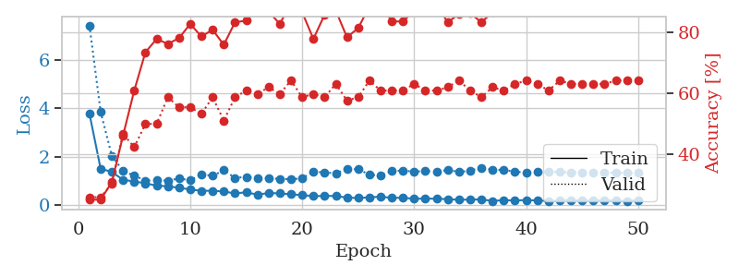
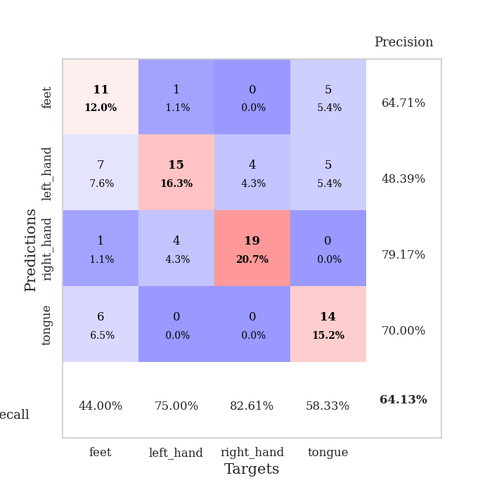
train_loss | valid_loss | train_accuracy | valid_accuracy | dur | train_misclass | valid_misclass
3.7861876488 | 7.4337101812 | 0.2527173913 | 0.26086956522 | 0.084074258804 | 25.27173913 | 26.086956522
1.507982083 | 3.8596020367 | 0.2527173913 | 0.26086956522 | 0.082682847977 | 25.27173913 | 26.086956522
1.377744869 | 2.0407457455 | 0.3097826087 | 0.30434782609 | 0.083160638809 | 30.97826087 | 30.434782609
1.0504491096 | 1.4233451304 | 0.46195652174 | 0.46739130435 | 0.083276987076 | 46.195652174 | 46.739130435
0.98239021198 | 1.2201225395 | 0.60869565217 | 0.42391304348 | 0.081396579742 | 60.869565217 | 42.391304348
0.90648714874 | 1.0212425978 | 0.73369565217 | 0.5 | 0.080493211746 | 73.369565217 | 50
0.80927872917 | 1.0425389746 | 0.77717391304 | 0.5 | 0.081500768661 | 77.717391304 | 50
0.78283504559 | 1.0128161493 | 0.76086956522 | 0.58695652174 | 0.088103532791 | 76.086956522 | 58.695652174
0.71895599365 | 1.1064103686 | 0.77989130435 | 0.55434782609 | 0.086852312088 | 77.989130435 | 55.434782609
0.65434500186 | 1.0297851744 | 0.82608695652 | 0.55434782609 | 0.082368135452 | 82.608695652 | 55.434782609
0.59452445092 | 1.2736879976 | 0.78532608696 | 0.53260869565 | 0.080990552902 | 78.532608696 | 53.260869565
0.6002629192 | 1.2144959828 | 0.80706521739 | 0.58695652174 | 0.080206394196 | 80.706521739 | 58.695652174
0.56769665428 | 1.4455853027 | 0.75815217391 | 0.51086956522 | 0.080405950546 | 75.815217391 | 51.086956522
0.48737192413 | 1.131769661 | 0.83152173913 | 0.58695652174 | 0.079920530319 | 83.152173913 | 58.695652174
0.53397448555 | 1.1712845823 | 0.83695652174 | 0.60869565217 | 0.080140352249 | 83.695652174 | 60.869565217
0.43693350903 | 1.1345399877 | 0.88043478261 | 0.59782608696 | 0.080447673798 | 88.043478261 | 59.782608696
0.50435432273 | 1.1129294997 | 0.86684782609 | 0.61956521739 | 0.080456733704 | 86.684782609 | 61.956521739
0.48916614704 | 1.0897090565 | 0.82608695652 | 0.59782608696 | 0.080374240875 | 82.608695652 | 59.782608696
0.45338478037 | 1.0736172368 | 0.89402173913 | 0.64130434783 | 0.080210924149 | 89.402173913 | 64.130434783
0.4169456732 | 1.1118853507 | 0.86413043478 | 0.58695652174 | 0.080221414566 | 86.413043478 | 58.695652174
0.37771402882 | 1.3918652146 | 0.77717391304 | 0.59782608696 | 0.082394599915 | 77.717391304 | 59.782608696
0.38422485927 | 1.3522489615 | 0.85597826087 | 0.58695652174 | 0.079197645187 | 85.597826087 | 58.695652174
0.38376811212 | 1.3220855594 | 0.86956521739 | 0.63043478261 | 0.07927274704 | 86.956521739 | 63.043478261
0.31191134129 | 1.4916987626 | 0.78260869565 | 0.57608695652 | 0.079370737076 | 78.260869565 | 57.608695652
0.30081339116 | 1.4891045171 | 0.8125 | 0.58695652174 | 0.079325675964 | 81.25 | 58.695652174
0.32454427688 | 1.2644418608 | 0.88315217391 | 0.64130434783 | 0.079330682755 | 88.315217391 | 64.130434783
0.3542040729 | 1.2269007408 | 0.89402173913 | 0.60869565217 | 0.07981300354 | 89.402173913 | 60.869565217
0.30444870509 | 1.4062865636 | 0.83423913043 | 0.60869565217 | 0.079455137253 | 83.423913043 | 60.869565217
0.30810691125 | 1.4366994967 | 0.83423913043 | 0.60869565217 | 0.079223871231 | 83.423913043 | 60.869565217
0.26514506016 | 1.3825704663 | 0.86956521739 | 0.63043478261 | 0.079412937164 | 86.956521739 | 63.043478261
0.2772770469 | 1.4208842049 | 0.86956521739 | 0.60869565217 | 0.079280376434 | 86.956521739 | 60.869565217
0.26633496323 | 1.3677542547 | 0.88858695652 | 0.60869565217 | 0.079363822937 | 88.858695652 | 60.869565217
0.25327021596 | 1.4660301494 | 0.83152173913 | 0.61956521739 | 0.079313755035 | 83.152173913 | 61.956521739
0.22335345476 | 1.3715002874 | 0.85869565217 | 0.64130434783 | 0.0793197155 | 85.869565217 | 64.130434783
0.23518413969 | 1.4309588412 | 0.86141304348 | 0.60869565217 | 0.079282522202 | 86.141304348 | 60.869565217
0.23632804142 | 1.5497610647 | 0.83152173913 | 0.58695652174 | 0.079220533371 | 83.152173913 | 58.695652174
0.18184543352 | 1.4675767603 | 0.86413043478 | 0.61956521739 | 0.080874443054 | 86.413043478 | 61.956521739
0.2079687964 | 1.4606359912 | 0.8777173913 | 0.60869565217 | 0.081057071686 | 87.77173913 | 60.869565217
0.19784308565 | 1.3860255532 | 0.88858695652 | 0.63043478261 | 0.084147453308 | 88.858695652 | 63.043478261
0.21367621827 | 1.3491734551 | 0.89945652174 | 0.64130434783 | 0.08088517189 | 89.945652174 | 64.130434783
0.19646048238 | 1.3690692627 | 0.89945652174 | 0.63043478261 | 0.081403970718 | 89.945652174 | 63.043478261
0.17275292362 | 1.399446788 | 0.88858695652 | 0.60869565217 | 0.080630064011 | 88.858695652 | 60.869565217
0.19406146621 | 1.3691229794 | 0.88315217391 | 0.64130434783 | 0.080581665039 | 88.315217391 | 64.130434783
0.21734553219 | 1.3612541453 | 0.89402173913 | 0.63043478261 | 0.081188678741 | 89.402173913 | 63.043478261
0.18491437157 | 1.3569500783 | 0.89402173913 | 0.63043478261 | 0.085107564926 | 89.402173913 | 63.043478261
0.18918174505 | 1.3516494632 | 0.89673913043 | 0.63043478261 | 0.085607051849 | 89.673913043 | 63.043478261
0.21273930014 | 1.3488249597 | 0.90489130435 | 0.63043478261 | 0.082146644592 | 90.489130435 | 63.043478261
0.18488408058 | 1.3424008826 | 0.90489130435 | 0.64130434783 | 0.082296133041 | 90.489130435 | 64.130434783
0.17984763671 | 1.336998289 | 0.90760869565 | 0.64130434783 | 0.08222413063 | 90.760869565 | 64.130434783
0.2033911464 | 1.3326432938 | 0.91576086957 | 0.64130434783 | 0.085761785507 | 91.576086957 | 64.130434783

Best Val accuracy is 0.6413043478260869 and Best test accuracy is 0.5517241379310345

Sheet8
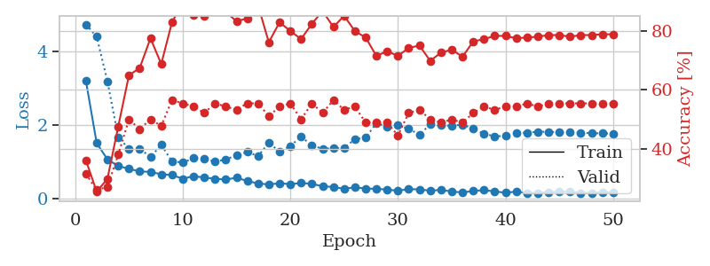
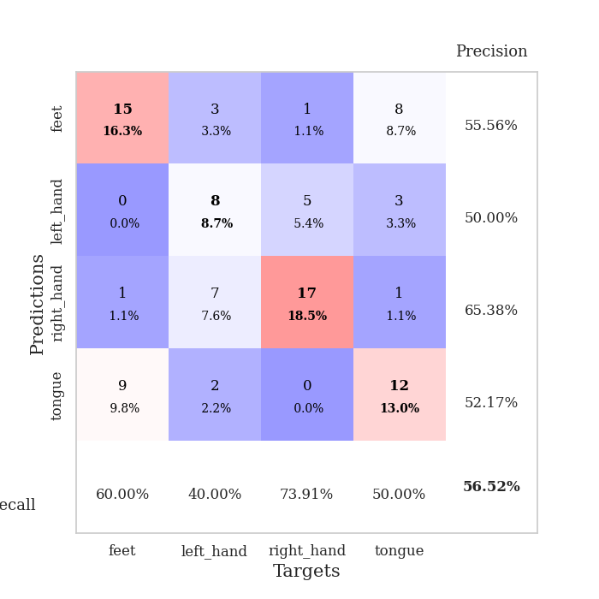
train_loss | valid_loss | train_accuracy | valid_accuracy | dur | train_misclass | valid_misclass
3.2000356809 | 4.733281177 | 0.36141304348 | 0.3152173913 | 0.082285165787 | 36.141304348 | 31.52173913
1.511964544 | 4.400023647 | 0.25543478261 | 0.26086956522 | 0.080043077469 | 25.543478261 | 26.086956522
1.0702148624 | 3.1893457226 | 0.29891304348 | 0.27173913043 | 0.08180141449 | 29.891304348 | 27.173913043
0.89191127342 | 1.673705666 | 0.47554347826 | 0.38043478261 | 0.081755399704 | 47.554347826 | 38.043478261
0.8147652512 | 1.357522796 | 0.64945652174 | 0.5 | 0.082730293274 | 64.945652174 | 50
0.74619376659 | 1.3628375763 | 0.67391304348 | 0.46739130435 | 0.081627368927 | 67.391304348 | 46.739130435
0.73036697766 | 1.134896592 | 0.77445652174 | 0.5 | 0.086072444916 | 77.445652174 | 50
0.66793368562 | 1.4637182718 | 0.6875 | 0.47826086957 | 0.082120656967 | 68.75 | 47.826086957
0.64611641739 | 1.0191413397 | 0.82880434783 | 0.5652173913 | 0.081211805344 | 82.880434783 | 56.52173913
0.54730407699 | 0.98620561154 | 0.89402173913 | 0.55434782609 | 0.080708503723 | 89.402173913 | 55.434782609
0.61605415461 | 1.102020357 | 0.85326086957 | 0.54347826087 | 0.080406427383 | 85.326086957 | 54.347826087
0.57926114098 | 1.0984048558 | 0.85054347826 | 0.52173913043 | 0.08037686348 | 85.054347826 | 52.173913043
0.54465863433 | 1.0064771668 | 0.92119565217 | 0.55434782609 | 0.079952478409 | 92.119565217 | 55.434782609
0.52434582425 | 1.0708176053 | 0.86413043478 | 0.54347826087 | 0.080522060394 | 86.413043478 | 54.347826087
0.57416197463 | 1.1833801917 | 0.83152173913 | 0.53260869565 | 0.082142591476 | 83.152173913 | 53.260869565
0.48490271037 | 1.2726557877 | 0.84239130435 | 0.55434782609 | 0.082315206528 | 84.239130435 | 55.434782609
0.41876578396 | 1.1615275015 | 0.88586956522 | 0.55434782609 | 0.08098077774 | 88.586956522 | 55.434782609
0.3904957713 | 1.5201996409 | 0.76086956522 | 0.51086956522 | 0.080502986908 | 76.086956522 | 51.086956522
0.42564340001 | 1.2816613368 | 0.82880434783 | 0.54347826087 | 0.080613851547 | 82.880434783 | 54.347826087
0.39907674491 | 1.4307465424 | 0.79891304348 | 0.55434782609 | 0.080288171768 | 79.891304348 | 55.434782609
0.42935660805 | 1.6911830954 | 0.77173913043 | 0.5 | 0.079592704773 | 77.173913043 | 50
0.40937465688 | 1.4471747383 | 0.82336956522 | 0.55434782609 | 0.085819721222 | 82.336956522 | 55.434782609
0.34015328729 | 1.3615179062 | 0.86684782609 | 0.52173913043 | 0.082333564758 | 86.684782609 | 52.173913043
0.32355839889 | 1.369689379 | 0.8125 | 0.5652173913 | 0.081047773361 | 81.25 | 56.52173913
0.27187681133 | 1.3878445029 | 0.85054347826 | 0.53260869565 | 0.080111265182 | 85.054347826 | 53.260869565
0.31527310156 | 1.6156925922 | 0.79891304348 | 0.54347826087 | 0.07990860939 | 79.891304348 | 54.347826087
0.2792483552 | 1.6592406086 | 0.77717391304 | 0.48913043478 | 0.079224586487 | 77.717391304 | 48.913043478
0.27336946421 | 2.0534155317 | 0.71467391304 | 0.48913043478 | 0.078779459 | 71.467391304 | 48.913043478
0.25111061756 | 1.9615393359 | 0.73097826087 | 0.48913043478 | 0.078785896301 | 73.097826087 | 48.913043478
0.22072527995 | 1.994970332 | 0.71467391304 | 0.44565217391 | 0.083738088608 | 71.467391304 | 44.565217391
0.2637764345 | 1.9023816793 | 0.74184782609 | 0.52173913043 | 0.08051109314 | 74.184782609 | 52.173913043
0.25793630954 | 1.740463998 | 0.75 | 0.53260869565 | 0.080273628235 | 75 | 53.260869565
0.22030929638 | 2.0217234415 | 0.69836956522 | 0.5 | 0.080816745758 | 69.836956522 | 50
0.24520803437 | 1.9928279752 | 0.72554347826 | 0.48913043478 | 0.080194950104 | 72.554347826 | 48.913043478
0.19882752228 | 1.9858354278 | 0.73641304348 | 0.5 | 0.080007553101 | 73.641304348 | 50
0.17479111578 | 2.0129569458 | 0.71195652174 | 0.48913043478 | 0.080310821533 | 71.195652174 | 48.913043478
0.21329568974 | 1.9097637975 | 0.76358695652 | 0.52173913043 | 0.082288503647 | 76.358695652 | 52.173913043
0.23698352374 | 1.7639841593 | 0.77173913043 | 0.54347826087 | 0.0826151371 | 77.173913043 | 54.347826087
0.20219214536 | 1.6986515937 | 0.78260869565 | 0.53260869565 | 0.08039522171 | 78.260869565 | 53.260869565
0.16633046256 | 1.703996762 | 0.78260869565 | 0.54347826087 | 0.082727432251 | 78.260869565 | 54.347826087
0.19669865104 | 1.7862153753 | 0.77445652174 | 0.54347826087 | 0.081031799316 | 77.445652174 | 54.347826087
0.16160620393 | 1.7966419614 | 0.77717391304 | 0.55434782609 | 0.08061504364 | 77.717391304 | 55.434782609
0.1574110954 | 1.8196299568 | 0.77989130435 | 0.54347826087 | 0.082565546036 | 77.989130435 | 54.347826087
0.18181349029 | 1.8197076243 | 0.78532608696 | 0.55434782609 | 0.082208871841 | 78.532608696 | 55.434782609
0.19703372455 | 1.8069626171 | 0.78532608696 | 0.55434782609 | 0.08088684082 | 78.532608696 | 55.434782609
0.19278549889 | 1.8048936103 | 0.77989130435 | 0.55434782609 | 0.080265045166 | 77.989130435 | 55.434782609
0.16296948347 | 1.7953339245 | 0.78532608696 | 0.55434782609 | 0.080294847488 | 78.532608696 | 55.434782609
0.16037720442 | 1.7826396356 | 0.78532608696 | 0.55434782609 | 0.080595016479 | 78.532608696 | 55.434782609
0.17438414369 | 1.7760088003 | 0.78804347826 | 0.55434782609 | 0.080491781235 | 78.804347826 | 55.434782609
0.18220840852 | 1.7711929938 | 0.78804347826 | 0.55434782609 | 0.080810785294 | 78.804347826 | 55.434782609

Best Val accuracy is 0.5652173913043478 and Best test accuracy is 0.5775862068965517

Sheet9
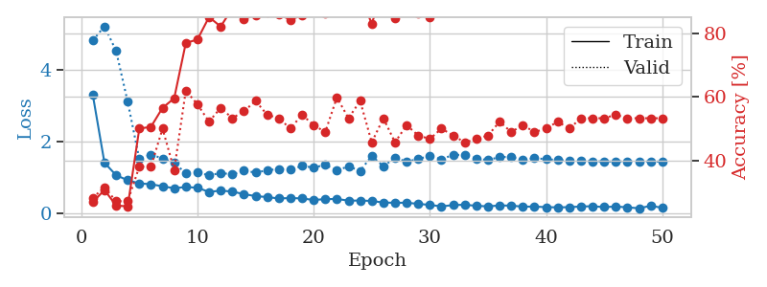
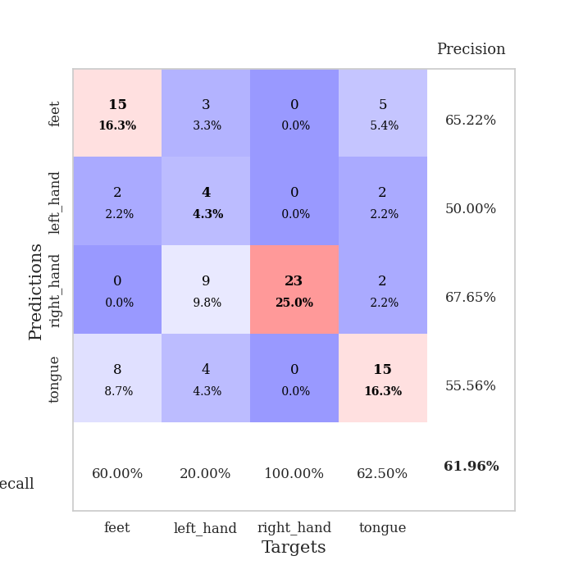
train_loss | valid_loss | train_accuracy | valid_accuracy | dur | train_misclass | valid_misclass
3.2982926213 | 4.8167239272 | 0.26902173913 | 0.28260869565 | 0.081395864487 | 26.902173913 | 28.260869565
1.4152875309 | 5.2091832368 | 0.30706521739 | 0.3152173913 | 0.080153942108 | 30.706521739 | 31.52173913
1.0692674751 | 4.5285845839 | 0.25815217391 | 0.27173913043 | 0.08013677597 | 25.815217391 | 27.173913043
0.92776995638 | 3.1095516474 | 0.25543478261 | 0.27173913043 | 0.080177783966 | 25.543478261 | 27.173913043
0.84078506542 | 1.5206743479 | 0.5 | 0.38043478261 | 0.080093383789 | 50 | 38.043478261
0.81869027407 | 1.638042139 | 0.50543478261 | 0.38043478261 | 0.080161809921 | 50.543478261 | 38.043478261
0.75827977191 | 1.5358923985 | 0.5652173913 | 0.5 | 0.08030962944 | 56.52173913 | 50
0.70651296818 | 1.4135311842 | 0.59510869565 | 0.36956521739 | 0.087214708328 | 59.510869565 | 36.956521739
0.74044653514 | 1.1222693583 | 0.76902173913 | 0.61956521739 | 0.081753015518 | 76.902173913 | 61.956521739
0.71946359069 | 1.1493599544 | 0.77989130435 | 0.57608695652 | 0.082501173019 | 77.989130435 | 57.608695652
0.60381008037 | 1.0625617012 | 0.85054347826 | 0.52173913043 | 0.081186294556 | 85.054347826 | 52.173913043
0.64054430438 | 1.1309954705 | 0.82065217391 | 0.5652173913 | 0.080956459045 | 82.065217391 | 56.52173913
0.61317417803 | 1.0900051983 | 0.8777173913 | 0.53260869565 | 0.079694986343 | 87.77173913 | 53.260869565
0.54165279282 | 1.195099736 | 0.84510869565 | 0.55434782609 | 0.08226108551 | 84.510869565 | 55.434782609
0.48753739764 | 1.141960617 | 0.85597826087 | 0.58695652174 | 0.083053588867 | 85.597826087 | 58.695652174
0.45985653608 | 1.2031363793 | 0.86413043478 | 0.54347826087 | 0.086829185486 | 86.413043478 | 54.347826087
0.42153546992 | 1.2429879567 | 0.85869565217 | 0.53260869565 | 0.083529233932 | 85.869565217 | 53.260869565
0.43370739856 | 1.226067442 | 0.84239130435 | 0.5 | 0.082805395126 | 84.239130435 | 50
0.42229881364 | 1.3257371032 | 0.85597826087 | 0.54347826087 | 0.083361387253 | 85.597826087 | 54.347826087
0.37966301325 | 1.2809375499 | 0.88315217391 | 0.51086956522 | 0.081586122513 | 88.315217391 | 51.086956522
0.40328128506 | 1.3562869507 | 0.86141304348 | 0.48913043478 | 0.080518484116 | 86.141304348 | 48.913043478
0.40776766675 | 1.2034203488 | 0.89130434783 | 0.59782608696 | 0.084606409073 | 89.130434783 | 59.782608696
0.36114890549 | 1.3130615716 | 0.89130434783 | 0.53260869565 | 0.093184232712 | 89.130434783 | 53.260869565
0.36326579037 | 1.1887189176 | 0.92391304348 | 0.58695652174 | 0.083042144775 | 92.391304348 | 58.695652174
0.35295345731 | 1.6043714544 | 0.82880434783 | 0.45652173913 | 0.081754684448 | 82.880434783 | 45.652173913
0.30689402799 | 1.3160206002 | 0.94565217391 | 0.53260869565 | 0.082138538361 | 94.565217391 | 53.260869565
0.30236188743 | 1.5543408212 | 0.84782608696 | 0.45652173913 | 0.082902431488 | 84.782608696 | 45.652173913
0.30220683502 | 1.4454531281 | 0.89673913043 | 0.51086956522 | 0.083066940308 | 89.673913043 | 51.086956522
0.27209023419 | 1.5179902885 | 0.86141304348 | 0.47826086957 | 0.081600666046 | 86.141304348 | 47.826086957
0.24163311898 | 1.6088619673 | 0.85054347826 | 0.46739130435 | 0.081151008606 | 85.054347826 | 46.739130435
0.2013641787 | 1.5082171456 | 0.90217391304 | 0.5 | 0.081996679306 | 90.217391304 | 50
0.23699236904 | 1.6374153598 | 0.875 | 0.47826086957 | 0.081544399261 | 87.5 | 47.826086957
0.2475875114 | 1.6263554381 | 0.8777173913 | 0.45652173913 | 0.08163189888 | 87.77173913 | 45.652173913
0.21657139905 | 1.5362672832 | 0.90489130435 | 0.46739130435 | 0.083508491516 | 90.489130435 | 46.739130435
0.20178049187 | 1.4848410669 | 0.91576086957 | 0.47826086957 | 0.08223772049 | 91.576086957 | 47.826086957
0.2271495157 | 1.5776898861 | 0.88858695652 | 0.52173913043 | 0.082548856735 | 88.858695652 | 52.173913043
0.22257368299 | 1.5714975466 | 0.92119565217 | 0.48913043478 | 0.083238363266 | 92.119565217 | 48.913043478
0.19398628823 | 1.4957532701 | 0.9347826087 | 0.51086956522 | 0.082419872284 | 93.47826087 | 51.086956522
0.19604456975 | 1.5384443972 | 0.92119565217 | 0.48913043478 | 0.081986427307 | 92.119565217 | 48.913043478
0.17945004935 | 1.5174080704 | 0.92391304348 | 0.5 | 0.082358598709 | 92.391304348 | 50
0.17498253092 | 1.4869884149 | 0.9375 | 0.52173913043 | 0.083230018616 | 93.75 | 52.173913043
0.17901029324 | 1.4758588879 | 0.9402173913 | 0.5 | 0.081185817719 | 94.02173913 | 50
0.19820735928 | 1.4598505601 | 0.94836956522 | 0.53260869565 | 0.080646038055 | 94.836956522 | 53.260869565
0.20561749844 | 1.4554657314 | 0.94836956522 | 0.53260869565 | 0.080412864685 | 94.836956522 | 53.260869565
0.18139175342 | 1.4531354204 | 0.94565217391 | 0.53260869565 | 0.082498311996 | 94.565217391 | 53.260869565
0.19649096918 | 1.4476768452 | 0.94565217391 | 0.54347826087 | 0.083284854889 | 94.565217391 | 54.347826087
0.17484738483 | 1.4544908353 | 0.94565217391 | 0.53260869565 | 0.081687450409 | 94.565217391 | 53.260869565
0.14766352559 | 1.4524366156 | 0.94293478261 | 0.53260869565 | 0.079991817474 | 94.293478261 | 53.260869565
0.21703834986 | 1.4498309934 | 0.94565217391 | 0.53260869565 | 0.07986664772 | 94.565217391 | 53.260869565
0.16149863827 | 1.4473125028 | 0.94565217391 | 0.53260869565 | 0.079632043839 | 94.565217391 | 53.260869565

Best Val accuracy is 0.6195652173913043 and Best test accuracy is 0.5086206896551724

Sheet10
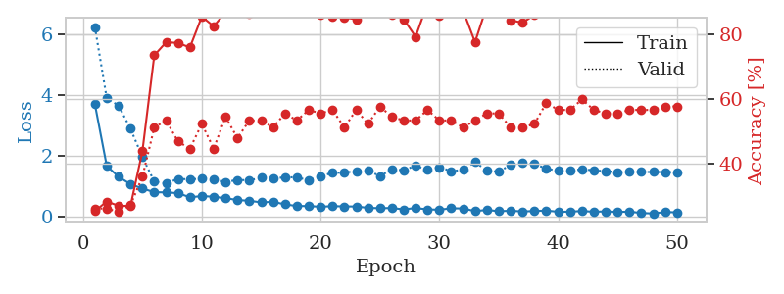
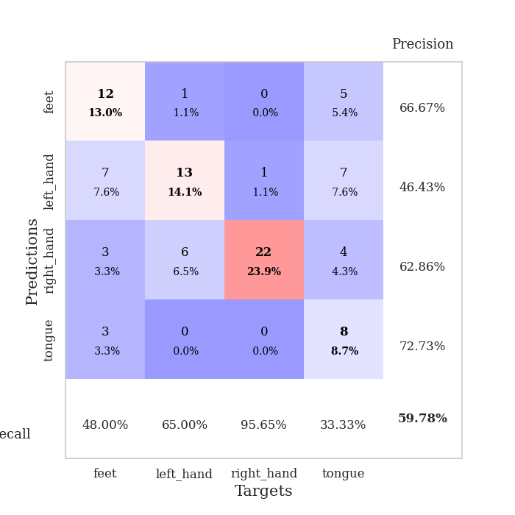
train_loss | valid_loss | train_accuracy | valid_accuracy | dur | train_misclass | valid_misclass
3.7052664135 | 6.2483556374 | 0.2527173913 | 0.26086956522 | 0.084388017654 | 25.27173913 | 26.086956522
1.670801142 | 3.8966620279 | 0.28260869565 | 0.26086956522 | 0.082101345062 | 28.260869565 | 26.086956522
1.3154230869 | 3.6608429162 | 0.26902173913 | 0.25 | 0.08238530159 | 26.902173913 | 25
1.0696467317 | 2.8963362238 | 0.26902173913 | 0.27173913043 | 0.083830833435 | 26.902173913 | 27.173913043
0.92878880967 | 1.9669897556 | 0.4375 | 0.35869565217 | 0.082711935043 | 43.75 | 35.869565217
0.80838641395 | 1.1552835081 | 0.73369565217 | 0.51086956522 | 0.081330299377 | 73.369565217 | 51.086956522
0.80159094541 | 1.0973007523 | 0.77445652174 | 0.53260869565 | 0.081169605255 | 77.445652174 | 53.260869565
0.77776074669 | 1.2467277724 | 0.77173913043 | 0.46739130435 | 0.081022024155 | 77.173913043 | 46.739130435
0.64118217904 | 1.2290041317 | 0.75815217391 | 0.44565217391 | 0.081357002258 | 75.815217391 | 44.565217391
0.68108186644 | 1.2547215042 | 0.85326086957 | 0.52173913043 | 0.081149578094 | 85.326086957 | 52.173913043
0.65989167794 | 1.2330166853 | 0.82336956522 | 0.44565217391 | 0.080908298492 | 82.336956522 | 44.565217391
0.61219538424 | 1.1437663099 | 0.86684782609 | 0.54347826087 | 0.085047483444 | 86.684782609 | 54.347826087
0.55191099061 | 1.2108850246 | 0.88586956522 | 0.47826086957 | 0.086456537247 | 88.586956522 | 47.826086957
0.52615295286 | 1.1998846946 | 0.86141304348 | 0.53260869565 | 0.080523729324 | 86.141304348 | 53.260869565
0.47486891565 | 1.2800739848 | 0.89130434783 | 0.53260869565 | 0.0804002285 | 89.130434783 | 53.260869565
0.49220366063 | 1.2665878975 | 0.88586956522 | 0.51086956522 | 0.083205461502 | 88.586956522 | 51.086956522
0.40994026998 | 1.2943673885 | 0.875 | 0.55434782609 | 0.080666780472 | 87.5 | 55.434782609
0.35412964937 | 1.2996625771 | 0.8777173913 | 0.53260869565 | 0.0807762146 | 87.77173913 | 53.260869565
0.35351898359 | 1.1955181023 | 0.8722826087 | 0.5652173913 | 0.080511808395 | 87.22826087 | 56.52173913
0.33013632829 | 1.3359980065 | 0.85869565217 | 0.55434782609 | 0.081154108047 | 85.869565217 | 55.434782609
0.35079234644 | 1.444183671 | 0.85326086957 | 0.5652173913 | 0.080668210983 | 85.326086957 | 56.52173913
0.34206365567 | 1.4517530592 | 0.85054347826 | 0.51086956522 | 0.081801176071 | 85.054347826 | 51.086956522
0.33813216829 | 1.5036186861 | 0.84510869565 | 0.5652173913 | 0.081781387329 | 84.510869565 | 56.52173913
0.2949524227 | 1.5293607686 | 0.88315217391 | 0.52173913043 | 0.08182311058 | 88.315217391 | 52.173913043
0.28249952165 | 1.3319319305 | 0.91304347826 | 0.57608695652 | 0.082506895065 | 91.304347826 | 57.608695652
0.28984148898 | 1.5663181803 | 0.85869565217 | 0.54347826087 | 0.083126068115 | 85.869565217 | 54.347826087
0.24413907398 | 1.5311014238 | 0.84510869565 | 0.53260869565 | 0.08135843277 | 84.510869565 | 53.260869565
0.29027327604 | 1.6836272815 | 0.79076086957 | 0.53260869565 | 0.080700397491 | 79.076086957 | 53.260869565
0.24319722244 | 1.538025926 | 0.89402173913 | 0.5652173913 | 0.084185361862 | 89.402173913 | 56.52173913
0.23524046463 | 1.6297946106 | 0.85597826087 | 0.53260869565 | 0.082207918167 | 85.597826087 | 53.260869565
0.2794386819 | 1.5024084734 | 0.88315217391 | 0.53260869565 | 0.08443903923 | 88.315217391 | 53.260869565
0.27573613369 | 1.54283798 | 0.8722826087 | 0.51086956522 | 0.084550142288 | 87.22826087 | 51.086956522
0.18821758534 | 1.7990943453 | 0.77445652174 | 0.53260869565 | 0.082829236984 | 77.445652174 | 53.260869565
0.226951747 | 1.5229820894 | 0.88586956522 | 0.55434782609 | 0.081801176071 | 88.586956522 | 55.434782609
0.18475535852 | 1.4796566626 | 0.89130434783 | 0.55434782609 | 0.086016893387 | 89.130434783 | 55.434782609
0.20064798678 | 1.7135250672 | 0.84239130435 | 0.51086956522 | 0.080764770508 | 84.239130435 | 51.086956522
0.17633763118 | 1.778736156 | 0.83423913043 | 0.51086956522 | 0.080429792404 | 83.423913043 | 51.086956522
0.19117686161 | 1.7345608939 | 0.85869565217 | 0.52173913043 | 0.080280542374 | 85.869565217 | 52.173913043
0.20592599978 | 1.5885034955 | 0.88586956522 | 0.58695652174 | 0.08091878891 | 88.586956522 | 58.695652174
0.16660846268 | 1.5121147659 | 0.89402173913 | 0.5652173913 | 0.081012010574 | 89.402173913 | 56.52173913
0.16962038628 | 1.5237605753 | 0.89673913043 | 0.5652173913 | 0.082327842712 | 89.673913043 | 56.52173913
0.19148640748 | 1.563925598 | 0.88043478261 | 0.59782608696 | 0.083100795746 | 88.043478261 | 59.782608696
0.16718595839 | 1.5312939338 | 0.88858695652 | 0.5652173913 | 0.08444237709 | 88.858695652 | 56.52173913
0.17833984254 | 1.4989119613 | 0.89130434783 | 0.55434782609 | 0.081289768219 | 89.130434783 | 55.434782609
0.16082904941 | 1.4719090539 | 0.89402173913 | 0.55434782609 | 0.080664634705 | 89.402173913 | 55.434782609
0.17124140149 | 1.4780935386 | 0.89402173913 | 0.5652173913 | 0.081663370132 | 89.402173913 | 56.52173913
0.12517685808 | 1.4732475177 | 0.89673913043 | 0.5652173913 | 0.081335306168 | 89.673913043 | 56.52173913
0.11026845273 | 1.4737257465 | 0.89945652174 | 0.5652173913 | 0.081300735474 | 89.945652174 | 56.52173913
0.15864670163 | 1.4705870255 | 0.89945652174 | 0.57608695652 | 0.081046819687 | 89.945652174 | 57.608695652
0.14667858329 | 1.4684953534 | 0.89945652174 | 0.57608695652 | 0.081293821335 | 89.945652174 | 57.608695652

Best Val accuracy is 0.5978260869565217 and Best test accuracy is 0.5172413793103449

