Sheet
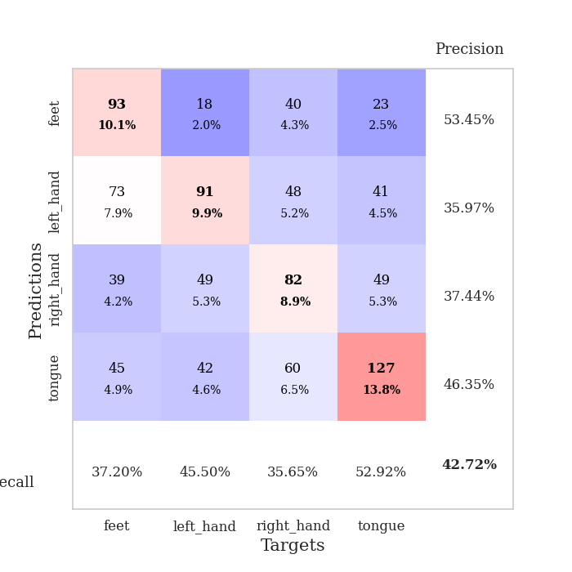
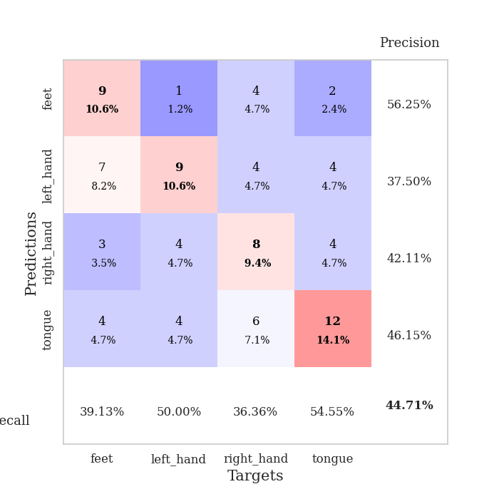
best_val_acc | best_val_los | best_test_acc
0.44565217391 | 1.4115111672 | 0.39655172414
0.42391304348 | 1.5070883658 | 0.36206896552
0.39130434783 | 1.4594443518 | 0.37931034483
0.44565217391 | 1.3307726642 | 0.37931034483
0.41304347826 | 1.5603912395 | 0.37931034483
0.39130434783 | 1.4225209122 | 0.3275862069
0.39130434783 | 1.5011635915 | 0.37068965517
0.42391304348 | 1.4434003571 | 0.34482758621
0.46739130435 | 1.4652356324 | 0.34482758621
0.47826086957 | 1.403174675 | 0.31896551724

Mean,std Val accuracy is 0.4271739130434783 , 0.03160699780806433 and mean, std test accuracy is 0.3603448275862069 , 0.02531346614430487

Sheet1
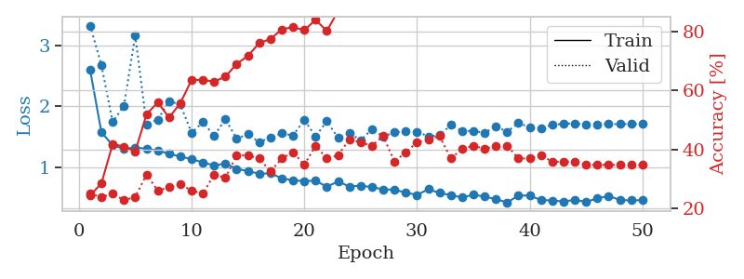
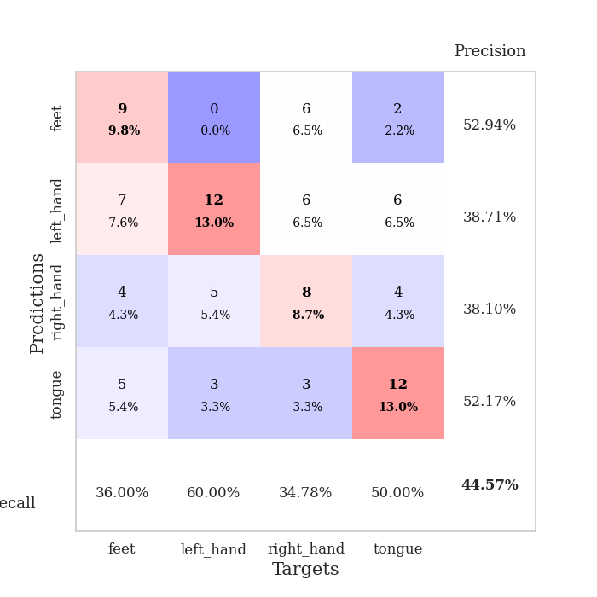
train_loss | valid_loss | train_accuracy | valid_accuracy | dur | train_misclass | valid_misclass
2.591459067 | 3.3199572563 | 0.24456521739 | 0.25 | 0.083371162415 | 24.456521739 | 25
1.5748434585 | 2.6707693287 | 0.28532608696 | 0.23913043478 | 0.080934286118 | 28.532608696 | 23.913043478
1.3628055894 | 1.7432383454 | 0.41847826087 | 0.25 | 0.080565214157 | 41.847826087 | 25
1.3054765929 | 2.0103763446 | 0.41032608696 | 0.22826086957 | 0.080407857895 | 41.032608696 | 22.826086957
1.3258963746 | 3.1597376181 | 0.39402173913 | 0.23913043478 | 0.080858945847 | 39.402173913 | 23.913043478
1.3063880801 | 1.7041585186 | 0.51902173913 | 0.3152173913 | 0.083963871002 | 51.902173913 | 31.52173913
1.2751049866 | 1.7835417986 | 0.5597826087 | 0.26086956522 | 0.083515644073 | 55.97826087 | 26.086956522
1.225544831 | 2.0821096638 | 0.50815217391 | 0.27173913043 | 0.082980871201 | 50.815217391 | 27.173913043
1.1782496701 | 2.0301639256 | 0.55706521739 | 0.28260869565 | 0.080521583557 | 55.706521739 | 28.260869565
1.1366965667 | 1.5651928653 | 0.63586956522 | 0.26086956522 | 0.082314014435 | 63.586956522 | 26.086956522
1.082379862 | 1.7416352863 | 0.63586956522 | 0.25 | 0.080587148666 | 63.586956522 | 25
1.0329401649 | 1.5189606677 | 0.63043478261 | 0.3152173913 | 0.082164287567 | 63.043478261 | 31.52173913
1.064455758 | 1.7881356478 | 0.64673913043 | 0.30434782609 | 0.083329439163 | 64.673913043 | 30.434782609
0.97744985508 | 1.4689192616 | 0.6902173913 | 0.38043478261 | 0.08203959465 | 69.02173913 | 38.043478261
0.94007702496 | 1.5430171386 | 0.71739130435 | 0.38043478261 | 0.080835580826 | 71.739130435 | 38.043478261
0.89768923884 | 1.4115111672 | 0.76086956522 | 0.36956521739 | 0.080933332443 | 76.086956522 | 36.956521739
0.90337431431 | 1.4940005334 | 0.77445652174 | 0.32608695652 | 0.081179141998 | 77.445652174 | 32.608695652
0.82312515119 | 1.5576651045 | 0.80706521739 | 0.36956521739 | 0.081311941147 | 80.706521739 | 36.956521739
0.78817169692 | 1.5239817008 | 0.8152173913 | 0.39130434783 | 0.081445932388 | 81.52173913 | 39.130434783
0.77876193109 | 1.7774614044 | 0.80434782609 | 0.34782608696 | 0.081076383591 | 80.434782609 | 34.782608696
0.78137914253 | 1.5067430631 | 0.83967391304 | 0.41304347826 | 0.080636978149 | 83.967391304 | 41.304347826
0.685681702 | 1.7566531793 | 0.80163043478 | 0.36956521739 | 0.080471515656 | 80.163043478 | 36.956521739
0.77049406197 | 1.481859487 | 0.86956521739 | 0.38043478261 | 0.080309867859 | 86.956521739 | 38.043478261
0.68768566588 | 1.5611009805 | 0.8777173913 | 0.4347826087 | 0.080205917358 | 87.77173913 | 43.47826087
0.7038716622 | 1.4452125456 | 0.8722826087 | 0.42391304348 | 0.080566883087 | 87.22826087 | 42.391304348
0.67768268222 | 1.6261231433 | 0.89402173913 | 0.41304347826 | 0.080421209335 | 89.402173913 | 41.304347826
0.64259151143 | 1.5055553654 | 0.91847826087 | 0.44565217391 | 0.081210136414 | 91.847826087 | 44.565217391
0.63581158286 | 1.5738455886 | 0.92391304348 | 0.35869565217 | 0.08102440834 | 92.391304348 | 35.869565217
0.58864584047 | 1.5914764197 | 0.92934782609 | 0.39130434783 | 0.08111000061 | 92.934782609 | 39.130434783
0.55069542968 | 1.5829584754 | 0.95108695652 | 0.42391304348 | 0.080847024918 | 95.108695652 | 42.391304348
0.64355756148 | 1.5088870163 | 0.9347826087 | 0.4347826087 | 0.080988407135 | 93.47826087 | 43.47826087
0.58412446924 | 1.5261204243 | 0.94836956522 | 0.44565217391 | 0.080597639084 | 94.836956522 | 44.565217391
0.54826227867 | 1.6959130401 | 0.95380434783 | 0.36956521739 | 0.080373287201 | 95.380434783 | 36.956521739
0.50729321786 | 1.5929166493 | 0.96195652174 | 0.40217391304 | 0.08046412468 | 96.195652174 | 40.217391304
0.55481441837 | 1.5992015704 | 0.97010869565 | 0.41304347826 | 0.08067035675 | 97.010869565 | 41.304347826
0.52190800724 | 1.5648780128 | 0.97010869565 | 0.40217391304 | 0.08363366127 | 97.010869565 | 40.217391304
0.48228648694 | 1.6700105719 | 0.96739130435 | 0.41304347826 | 0.081314086914 | 96.739130435 | 41.304347826
0.4268946246 | 1.5848713906 | 0.98097826087 | 0.41304347826 | 0.081160068512 | 98.097826087 | 41.304347826
0.54254151881 | 1.7299472405 | 0.97282608696 | 0.36956521739 | 0.08095574379 | 97.282608696 | 36.956521739
0.53914704271 | 1.6526144898 | 0.98369565217 | 0.36956521739 | 0.080990076065 | 98.369565217 | 36.956521739
0.46698756257 | 1.6402289453 | 0.98097826087 | 0.38043478261 | 0.081619024277 | 98.097826087 | 38.043478261
0.4602585098 | 1.6970905014 | 0.98097826087 | 0.35869565217 | 0.081371068954 | 98.097826087 | 35.869565217
0.44292574603 | 1.7152096966 | 0.98369565217 | 0.35869565217 | 0.081684589386 | 98.369565217 | 35.869565217
0.47019689303 | 1.7197346739 | 0.98369565217 | 0.35869565217 | 0.081816673279 | 98.369565217 | 35.869565217
0.43743419647 | 1.7061557873 | 0.98369565217 | 0.34782608696 | 0.081136465073 | 98.369565217 | 34.782608696
0.49392962067 | 1.7066722072 | 0.98369565217 | 0.34782608696 | 0.082018375397 | 98.369565217 | 34.782608696
0.53406259029 | 1.709204482 | 0.98369565217 | 0.34782608696 | 0.081704616547 | 98.369565217 | 34.782608696
0.46819226768 | 1.7097749866 | 0.98369565217 | 0.34782608696 | 0.082708835602 | 98.369565217 | 34.782608696
0.46109569526 | 1.7106485263 | 0.98369565217 | 0.34782608696 | 0.08051943779 | 98.369565217 | 34.782608696
0.46606068961 | 1.711829937 | 0.98369565217 | 0.34782608696 | 0.081110715866 | 98.369565217 | 34.782608696

Best Val accuracy is 0.44565217391304346 and Best test accuracy is 0.39655172413793105

Sheet2
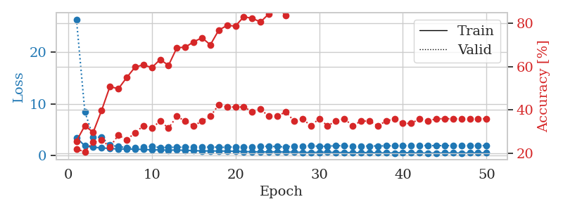
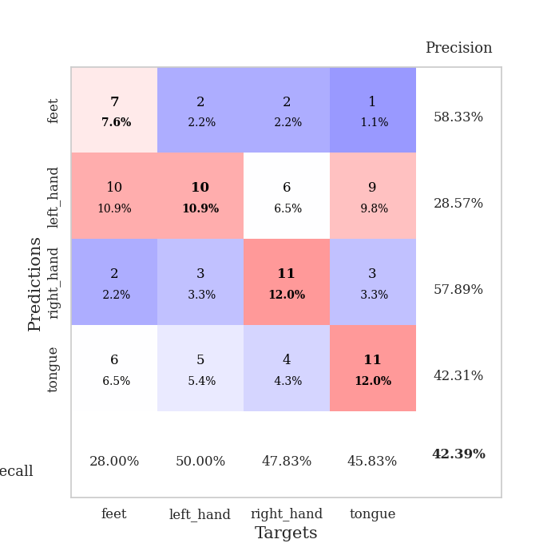
train_loss | valid_loss | train_accuracy | valid_accuracy | dur | train_misclass | valid_misclass
3.4743857436 | 26.416141925 | 0.25543478261 | 0.21739130435 | 0.082010746002 | 25.543478261 | 21.739130435
1.8427541308 | 8.5191543621 | 0.32608695652 | 0.20652173913 | 0.080866336823 | 32.608695652 | 20.652173913
1.582151045 | 3.539226532 | 0.29619565217 | 0.25 | 0.080262422562 | 29.619565217 | 25
1.4617654889 | 3.5326935312 | 0.39673913043 | 0.26086956522 | 0.084141254425 | 39.673913043 | 26.086956522
1.3406477907 | 1.9840808174 | 0.50815217391 | 0.22826086957 | 0.080886602402 | 50.815217391 | 22.826086957
1.2404345948 | 1.7222686073 | 0.4972826087 | 0.28260869565 | 0.081230163574 | 49.72826087 | 28.260869565
1.2442500021 | 1.5159707121 | 0.54891304348 | 0.26086956522 | 0.085484981537 | 54.891304348 | 26.086956522
1.198571358 | 1.5431730073 | 0.59782608696 | 0.29347826087 | 0.079140663147 | 59.782608696 | 29.347826087
1.1598198388 | 1.5719522601 | 0.60869565217 | 0.32608695652 | 0.079148769379 | 60.869565217 | 32.608695652
1.0699540118 | 1.7752381615 | 0.59510869565 | 0.3152173913 | 0.079694747925 | 59.510869565 | 31.52173913
1.0698464228 | 1.5070883658 | 0.63315217391 | 0.34782608696 | 0.079101800919 | 63.315217391 | 34.782608696
1.0168868938 | 1.5719461441 | 0.60597826087 | 0.3152173913 | 0.079330444336 | 60.597826087 | 31.52173913
1.0527904345 | 1.5736572172 | 0.6875 | 0.36956521739 | 0.078970193863 | 68.75 | 36.956521739
0.9867612564 | 1.6200046332 | 0.6902173913 | 0.34782608696 | 0.079344511032 | 69.02173913 | 34.782608696
0.93136246308 | 1.6926682928 | 0.71467391304 | 0.32608695652 | 0.080120801926 | 71.467391304 | 32.608695652
0.86512397683 | 1.5868522447 | 0.73369565217 | 0.34782608696 | 0.079397678375 | 73.369565217 | 34.782608696
0.87404217668 | 1.6389449161 | 0.70108695652 | 0.36956521739 | 0.079038143158 | 70.108695652 | 36.956521739
0.85654315223 | 1.5739471498 | 0.76902173913 | 0.42391304348 | 0.079650640488 | 76.902173913 | 42.391304348
0.83496662326 | 1.5675362193 | 0.79076086957 | 0.41304347826 | 0.079607963562 | 79.076086957 | 41.304347826
0.80410191287 | 1.6981135244 | 0.78804347826 | 0.41304347826 | 0.079665660858 | 78.804347826 | 41.304347826
0.74284691655 | 1.6067429159 | 0.83152173913 | 0.41304347826 | 0.079048633575 | 83.152173913 | 41.304347826
0.71455597359 | 1.6472062287 | 0.82336956522 | 0.39130434783 | 0.079113483429 | 82.336956522 | 39.130434783
0.67917232539 | 1.7747115467 | 0.80706521739 | 0.40217391304 | 0.079484462738 | 80.706521739 | 40.217391304
0.67744343695 | 1.746523655 | 0.84510869565 | 0.36956521739 | 0.083651542664 | 84.510869565 | 36.956521739
0.69247144331 | 1.7100965096 | 0.875 | 0.36956521739 | 0.085521697998 | 87.5 | 36.956521739
0.64953547068 | 1.6418924591 | 0.83695652174 | 0.39130434783 | 0.081192016602 | 83.695652174 | 39.130434783
0.65318900347 | 1.8212760635 | 0.89402173913 | 0.34782608696 | 0.080602884293 | 89.402173913 | 34.782608696
0.58734021887 | 1.8019032116 | 0.8777173913 | 0.35869565217 | 0.080834627151 | 87.77173913 | 35.869565217
0.57232177063 | 1.8865226041 | 0.92119565217 | 0.32608695652 | 0.081209421158 | 92.119565217 | 32.608695652
0.59912167166 | 1.7532899846 | 0.94293478261 | 0.35869565217 | 0.080726861954 | 94.293478261 | 35.869565217
0.64219324356 | 1.7704170942 | 0.9402173913 | 0.32608695652 | 0.080855607986 | 94.02173913 | 32.608695652
0.54208743961 | 1.9103471974 | 0.91304347826 | 0.34782608696 | 0.081124782562 | 91.304347826 | 34.782608696
0.58914909674 | 1.8412796985 | 0.90489130435 | 0.35869565217 | 0.080552816391 | 90.489130435 | 35.869565217
0.51274637554 | 1.7820070878 | 0.93206521739 | 0.32608695652 | 0.081261396408 | 93.206521739 | 32.608695652
0.54023394377 | 1.8028798052 | 0.89673913043 | 0.34782608696 | 0.082092285156 | 89.673913043 | 34.782608696
0.55493443427 | 1.8329251175 | 0.91576086957 | 0.34782608696 | 0.080493688583 | 91.576086957 | 34.782608696
0.48982379229 | 1.8310991163 | 0.95380434783 | 0.32608695652 | 0.080972194672 | 95.380434783 | 32.608695652
0.48656803693 | 1.8642278547 | 0.94565217391 | 0.34782608696 | 0.081352472305 | 94.565217391 | 34.782608696
0.4660654055 | 1.8588092016 | 0.95380434783 | 0.35869565217 | 0.080352544785 | 95.380434783 | 35.869565217
0.56933090739 | 1.8843313093 | 0.95652173913 | 0.33695652174 | 0.080595970154 | 95.652173913 | 33.695652174
0.48558047803 | 1.8950559523 | 0.96467391304 | 0.33695652174 | 0.080632925034 | 96.467391304 | 33.695652174
0.47699999744 | 1.9068183121 | 0.97010869565 | 0.35869565217 | 0.08246088028 | 97.010869565 | 35.869565217
0.44987078529 | 1.9108421025 | 0.96739130435 | 0.34782608696 | 0.081077098846 | 96.739130435 | 34.782608696
0.44790277144 | 1.8983066186 | 0.96739130435 | 0.35869565217 | 0.081686735153 | 96.739130435 | 35.869565217
0.48826223417 | 1.8964562572 | 0.96739130435 | 0.35869565217 | 0.08122420311 | 96.739130435 | 35.869565217
0.48913845744 | 1.8975661682 | 0.96739130435 | 0.35869565217 | 0.081137657166 | 96.739130435 | 35.869565217
0.43857792603 | 1.9002522645 | 0.97010869565 | 0.35869565217 | 0.080968618393 | 97.010869565 | 35.869565217
0.48244283057 | 1.9024268855 | 0.97010869565 | 0.35869565217 | 0.081062078476 | 97.010869565 | 35.869565217
0.52116475092 | 1.9049885014 | 0.97010869565 | 0.35869565217 | 0.081252098083 | 97.010869565 | 35.869565217
0.48796654655 | 1.9066133706 | 0.97010869565 | 0.35869565217 | 0.082602739334 | 97.010869565 | 35.869565217

Best Val accuracy is 0.42391304347826086 and Best test accuracy is 0.3620689655172414

Sheet3
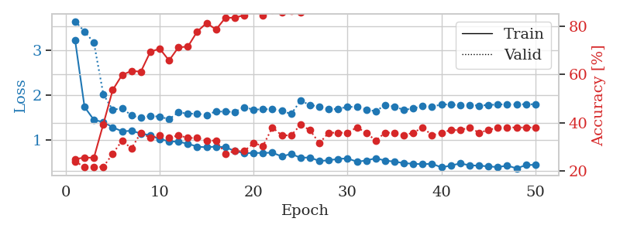
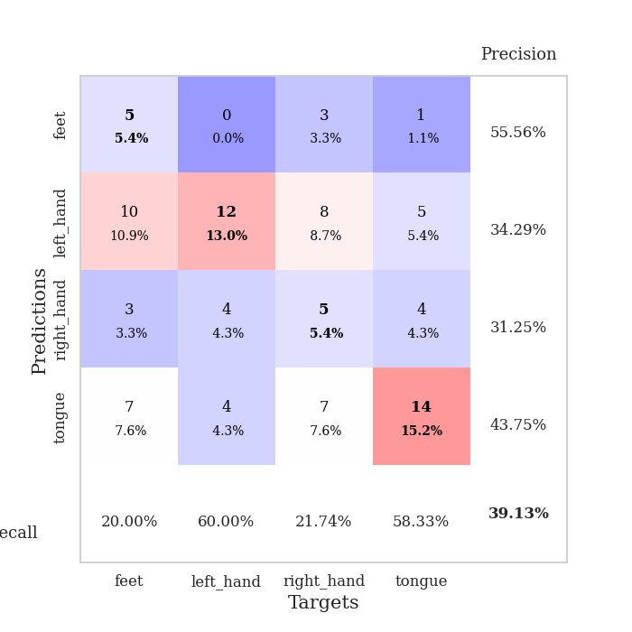
train_loss | valid_loss | train_accuracy | valid_accuracy | dur | train_misclass | valid_misclass
3.2294181585 | 3.655700922 | 0.25 | 0.23913043478 | 0.080255746841 | 25 | 23.913043478
1.7343657017 | 3.4273735337 | 0.25543478261 | 0.21739130435 | 0.079194545746 | 25.543478261 | 21.739130435
1.4433721356 | 3.175404134 | 0.25543478261 | 0.21739130435 | 0.079077482224 | 25.543478261 | 21.739130435
1.3964381581 | 2.0207673 | 0.39402173913 | 0.21739130435 | 0.079189062119 | 39.402173913 | 21.739130435
1.2782322842 | 1.6670501491 | 0.53532608696 | 0.27173913043 | 0.079738140106 | 53.532608696 | 27.173913043
1.1864575744 | 1.7105619389 | 0.59782608696 | 0.32608695652 | 0.079376935959 | 59.782608696 | 32.608695652
1.2000651956 | 1.5399568444 | 0.61413043478 | 0.29347826087 | 0.079493284225 | 61.413043478 | 29.347826087
1.1381569453 | 1.4886930352 | 0.61141304348 | 0.35869565217 | 0.080315828323 | 61.141304348 | 35.869565217
1.0972911923 | 1.5325690974 | 0.69293478261 | 0.33695652174 | 0.082633018494 | 69.293478261 | 33.695652174
1.0118265878 | 1.5163712139 | 0.70652173913 | 0.34782608696 | 0.079219102859 | 70.652173913 | 34.782608696
0.96496046108 | 1.4594443518 | 0.65760869565 | 0.33695652174 | 0.079336166382 | 65.760869565 | 33.695652174
0.9516873878 | 1.6153436588 | 0.71195652174 | 0.34782608696 | 0.079160928726 | 71.195652174 | 34.782608696
0.91109608697 | 1.5819310365 | 0.71467391304 | 0.33695652174 | 0.079280853271 | 71.467391304 | 33.695652174
0.84280229392 | 1.5842065552 | 0.77717391304 | 0.33695652174 | 0.079222679138 | 77.717391304 | 33.695652174
0.82956702942 | 1.5527850234 | 0.8125 | 0.32608695652 | 0.079397439957 | 81.25 | 32.608695652
0.84555221641 | 1.6354891321 | 0.78532608696 | 0.32608695652 | 0.079407215118 | 78.532608696 | 32.608695652
0.8316443096 | 1.627405431 | 0.83423913043 | 0.27173913043 | 0.07935333252 | 83.423913043 | 27.173913043
0.74554975266 | 1.6238448568 | 0.83423913043 | 0.28260869565 | 0.079947710037 | 83.423913043 | 28.260869565
0.69678638422 | 1.7294918558 | 0.84510869565 | 0.28260869565 | 0.079404115677 | 84.510869565 | 28.260869565
0.70274010041 | 1.6736132373 | 0.86684782609 | 0.3152173913 | 0.079301834106 | 86.684782609 | 31.52173913
0.7024370095 | 1.6833164018 | 0.84239130435 | 0.30434782609 | 0.07918381691 | 84.239130435 | 30.434782609
0.70927262177 | 1.6857936745 | 0.86684782609 | 0.38043478261 | 0.079226016998 | 86.684782609 | 38.043478261
0.62335445699 | 1.6479874849 | 0.85597826087 | 0.34782608696 | 0.080058813095 | 85.597826087 | 34.782608696
0.68214987024 | 1.5759461496 | 0.86141304348 | 0.34782608696 | 0.08567237854 | 86.141304348 | 34.782608696
0.59326599085 | 1.8734808953 | 0.85597826087 | 0.39130434783 | 0.079747438431 | 85.597826087 | 39.130434783
0.60194538469 | 1.779893134 | 0.875 | 0.36956521739 | 0.07976770401 | 87.5 | 36.956521739
0.52074337524 | 1.7404823562 | 0.91576086957 | 0.3152173913 | 0.079540729523 | 91.576086957 | 31.52173913
0.53842747989 | 1.6817746525 | 0.93206521739 | 0.35869565217 | 0.079601049423 | 93.206521739 | 35.869565217
0.56811092081 | 1.6893422759 | 0.91847826087 | 0.35869565217 | 0.079532623291 | 91.847826087 | 35.869565217
0.58084771555 | 1.7388787943 | 0.91576086957 | 0.35869565217 | 0.079421520233 | 91.576086957 | 35.869565217
0.50572426164 | 1.731811 | 0.89945652174 | 0.38043478261 | 0.07942533493 | 89.945652174 | 38.043478261
0.53296202939 | 1.6767764454 | 0.93206521739 | 0.35869565217 | 0.079710483551 | 93.206521739 | 35.869565217
0.58329850824 | 1.636103884 | 0.92934782609 | 0.32608695652 | 0.079341411591 | 92.934782609 | 32.608695652
0.53145263376 | 1.779030323 | 0.91304347826 | 0.35869565217 | 0.07940530777 | 91.304347826 | 35.869565217
0.50867296431 | 1.7448201801 | 0.95108695652 | 0.35869565217 | 0.079271793365 | 95.108695652 | 35.869565217
0.47322258548 | 1.6661512282 | 0.92934782609 | 0.34782608696 | 0.079097509384 | 92.934782609 | 34.782608696
0.46017694538 | 1.7040755438 | 0.92934782609 | 0.35869565217 | 0.079717874527 | 92.934782609 | 35.869565217
0.45044045085 | 1.7525030167 | 0.92934782609 | 0.38043478261 | 0.080562829971 | 92.934782609 | 38.043478261
0.46020566186 | 1.7356432676 | 0.9402173913 | 0.34782608696 | 0.079160928726 | 94.02173913 | 34.782608696
0.37826532579 | 1.7928284821 | 0.93206521739 | 0.35869565217 | 0.079944849014 | 93.206521739 | 35.869565217
0.41955763523 | 1.7875535955 | 0.9375 | 0.36956521739 | 0.08025097847 | 93.75 | 36.956521739
0.4671951351 | 1.7717373475 | 0.9402173913 | 0.36956521739 | 0.079934358597 | 94.02173913 | 36.956521739
0.42510341237 | 1.7773285793 | 0.9402173913 | 0.38043478261 | 0.079269886017 | 94.02173913 | 38.043478261
0.41642931428 | 1.7649280558 | 0.94836956522 | 0.35869565217 | 0.079152584076 | 94.836956522 | 35.869565217
0.40232333735 | 1.7770911092 | 0.94836956522 | 0.36956521739 | 0.079261541367 | 94.836956522 | 36.956521739
0.38358464643 | 1.7903040803 | 0.94836956522 | 0.38043478261 | 0.079089403152 | 94.836956522 | 38.043478261
0.4198003204 | 1.7934678689 | 0.94836956522 | 0.38043478261 | 0.079774141312 | 94.836956522 | 38.043478261
0.3560206375 | 1.7938015927 | 0.94836956522 | 0.38043478261 | 0.079354047775 | 94.836956522 | 38.043478261
0.43046020781 | 1.7946661244 | 0.94836956522 | 0.38043478261 | 0.079272270203 | 94.836956522 | 38.043478261
0.43675758204 | 1.7952909262 | 0.94836956522 | 0.38043478261 | 0.079287290573 | 94.836956522 | 38.043478261

Best Val accuracy is 0.391304347826087 and Best test accuracy is 0.3793103448275862

Sheet4
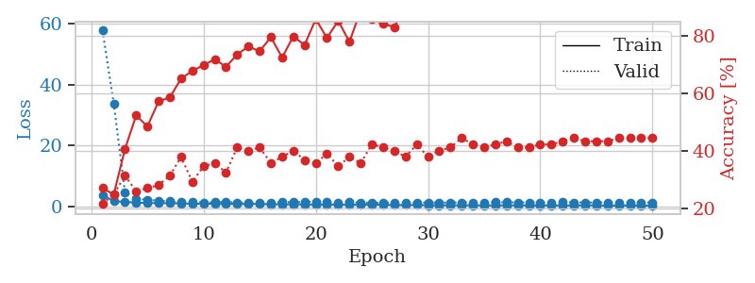
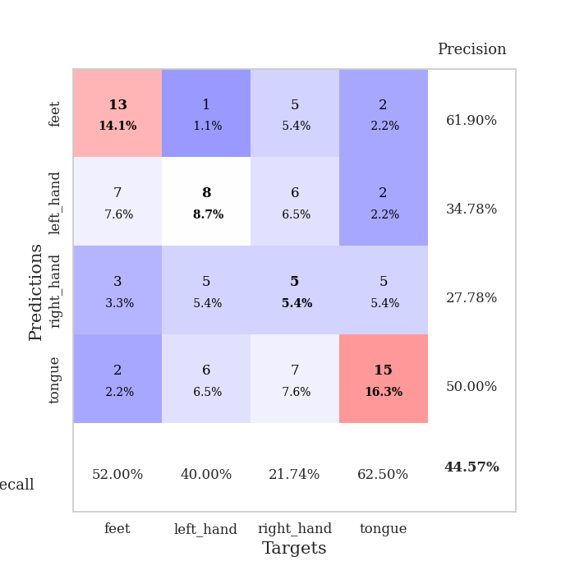
train_loss | valid_loss | train_accuracy | valid_accuracy | dur | train_misclass | valid_misclass
3.9082745936 | 57.691176705 | 0.27173913043 | 0.21739130435 | 0.080228090286 | 27.173913043 | 21.739130435
1.8736137204 | 33.755144119 | 0.25 | 0.25 | 0.078956604004 | 25 | 25
1.6161778699 | 4.8442969789 | 0.40760869565 | 0.3152173913 | 0.079172134399 | 40.760869565 | 31.52173913
1.4501276638 | 2.6377677969 | 0.52445652174 | 0.26086956522 | 0.079230308533 | 52.445652174 | 26.086956522
1.2732352822 | 2.3771658255 | 0.48641304348 | 0.27173913043 | 0.079186439514 | 48.641304348 | 27.173913043
1.243613637 | 1.9920077687 | 0.57336956522 | 0.28260869565 | 0.079216480255 | 57.336956522 | 28.260869565
1.1965485215 | 1.8095629734 | 0.58695652174 | 0.3152173913 | 0.07922410965 | 58.695652174 | 31.52173913
1.183087831 | 1.5287849644 | 0.65217391304 | 0.38043478261 | 0.079230070114 | 65.217391304 | 38.043478261
1.0635975988 | 1.603731881 | 0.67934782609 | 0.29347826087 | 0.079302549362 | 67.934782609 | 29.347826087
1.0545224962 | 1.4893508528 | 0.69836956522 | 0.34782608696 | 0.079206228256 | 69.836956522 | 34.782608696
1.0070420296 | 1.5023732755 | 0.72010869565 | 0.35869565217 | 0.079221248627 | 72.010869565 | 35.869565217
1.000086349 | 1.659507342 | 0.69293478261 | 0.32608695652 | 0.079663276672 | 69.293478261 | 32.608695652
0.93603200239 | 1.3599937118 | 0.73641304348 | 0.41304347826 | 0.07940030098 | 73.641304348 | 41.304347826
0.9353059012 | 1.4079673238 | 0.76358695652 | 0.40217391304 | 0.079149246216 | 76.358695652 | 40.217391304
0.9479527603 | 1.4171476727 | 0.7472826087 | 0.41304347826 | 0.078896045685 | 74.72826087 | 41.304347826
0.87020504734 | 1.3798821024 | 0.79619565217 | 0.35869565217 | 0.079122066498 | 79.619565217 | 35.869565217
0.8669626661 | 1.5807652318 | 0.72554347826 | 0.38043478261 | 0.079203605652 | 72.554347826 | 38.043478261
0.81552118581 | 1.5115953269 | 0.79891304348 | 0.40217391304 | 0.079303503036 | 79.891304348 | 40.217391304
0.81392175089 | 1.576568334 | 0.76902173913 | 0.36956521739 | 0.079194307327 | 76.902173913 | 36.956521739
0.77016949135 | 1.6117287304 | 0.85869565217 | 0.35869565217 | 0.079184532166 | 85.869565217 | 35.869565217
0.79863117311 | 1.5970782871 | 0.79347826087 | 0.39130434783 | 0.079015254974 | 79.347826087 | 39.130434783
0.76731729378 | 1.4191025599 | 0.85326086957 | 0.34782608696 | 0.07931804657 | 85.326086957 | 34.782608696
0.7586365394 | 1.5275195422 | 0.77989130435 | 0.38043478261 | 0.079506397247 | 77.989130435 | 38.043478261
0.69123551768 | 1.3857361804 | 0.88858695652 | 0.35869565217 | 0.079558372498 | 88.858695652 | 35.869565217
0.71484810891 | 1.3954388214 | 0.85869565217 | 0.42391304348 | 0.079144239426 | 85.869565217 | 42.391304348
0.72228877959 | 1.3307726642 | 0.84239130435 | 0.41304347826 | 0.079491376877 | 84.239130435 | 41.304347826
0.61059742518 | 1.4241594905 | 0.83152173913 | 0.40217391304 | 0.079402923584 | 83.152173913 | 40.217391304
0.62257672004 | 1.3758183096 | 0.90489130435 | 0.38043478261 | 0.08326458931 | 90.489130435 | 38.043478261
0.64856569404 | 1.4012831709 | 0.88315217391 | 0.42391304348 | 0.082353830338 | 88.315217391 | 42.391304348
0.56095810558 | 1.4461753628 | 0.88315217391 | 0.38043478261 | 0.08029460907 | 88.315217391 | 38.043478261
0.54256327904 | 1.3872486457 | 0.90217391304 | 0.40217391304 | 0.081201791763 | 90.217391304 | 40.217391304
0.56617238858 | 1.4275267176 | 0.90760869565 | 0.41304347826 | 0.080268859863 | 90.760869565 | 41.304347826
0.52394164386 | 1.4754097617 | 0.9347826087 | 0.44565217391 | 0.080850601196 | 93.47826087 | 44.565217391
0.53494238465 | 1.4563418782 | 0.9347826087 | 0.42391304348 | 0.081160068512 | 93.47826087 | 42.391304348
0.51151599508 | 1.4606396012 | 0.91847826087 | 0.41304347826 | 0.081109523773 | 91.847826087 | 41.304347826
0.5269608854 | 1.5044634809 | 0.88858695652 | 0.42391304348 | 0.081225156784 | 88.858695652 | 42.391304348
0.55120432701 | 1.5103506213 | 0.91847826087 | 0.4347826087 | 0.080621242523 | 91.847826087 | 43.47826087
0.52438777037 | 1.4654774148 | 0.90760869565 | 0.41304347826 | 0.081295728683 | 90.760869565 | 41.304347826
0.51458140689 | 1.4791710532 | 0.91847826087 | 0.41304347826 | 0.081212520599 | 91.847826087 | 41.304347826
0.48777939768 | 1.4413000138 | 0.94293478261 | 0.42391304348 | 0.081030607224 | 94.293478261 | 42.391304348
0.54112461468 | 1.4447805156 | 0.94293478261 | 0.42391304348 | 0.080955266953 | 94.293478261 | 42.391304348
0.49786358489 | 1.5055129684 | 0.94293478261 | 0.4347826087 | 0.080858945847 | 94.293478261 | 43.47826087
0.49525001516 | 1.485459903 | 0.94565217391 | 0.44565217391 | 0.081018686295 | 94.565217391 | 44.565217391
0.54446599535 | 1.4644495041 | 0.95108695652 | 0.4347826087 | 0.081013679504 | 95.108695652 | 43.47826087
0.51952946056 | 1.4728177579 | 0.94565217391 | 0.4347826087 | 0.080807209015 | 94.565217391 | 43.47826087
0.45028961806 | 1.4761145063 | 0.95108695652 | 0.4347826087 | 0.079891443253 | 95.108695652 | 43.47826087
0.48261451527 | 1.4807712047 | 0.94836956522 | 0.44565217391 | 0.079781293869 | 94.836956522 | 44.565217391
0.50396649734 | 1.4822536292 | 0.94836956522 | 0.44565217391 | 0.080847740173 | 94.836956522 | 44.565217391
0.43241568493 | 1.4845039015 | 0.94836956522 | 0.44565217391 | 0.080406665802 | 94.836956522 | 44.565217391
0.46212886274 | 1.4857083455 | 0.94836956522 | 0.44565217391 | 0.080558538437 | 94.836956522 | 44.565217391

Best Val accuracy is 0.44565217391304346 and Best test accuracy is 0.3793103448275862

Sheet5
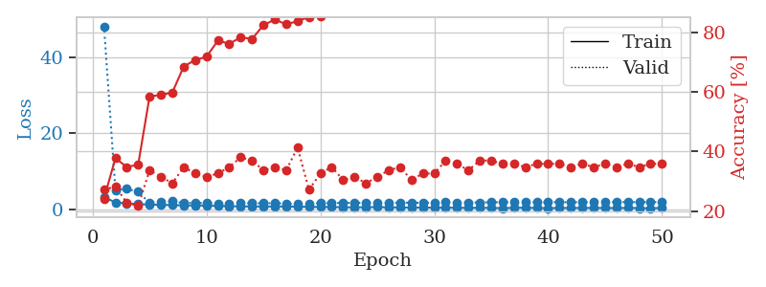
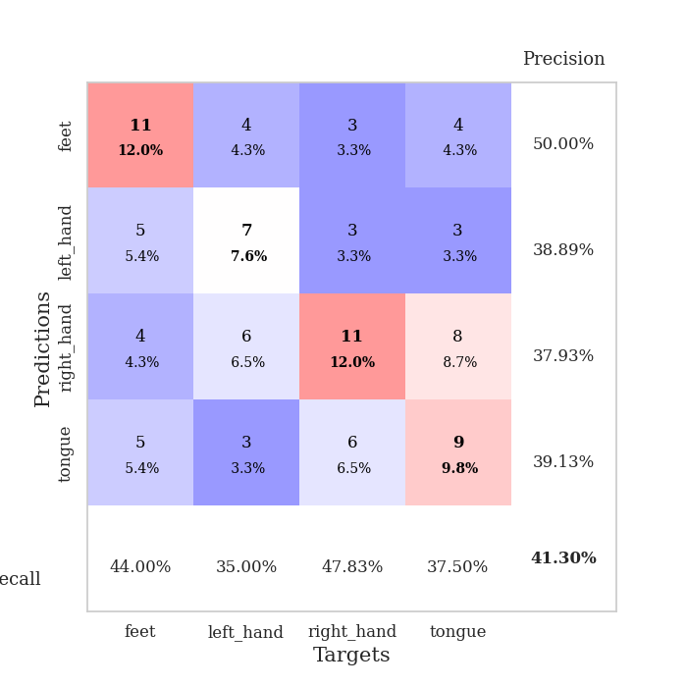
train_loss | valid_loss | train_accuracy | valid_accuracy | dur | train_misclass | valid_misclass
3.2349677552 | 48.059661202 | 0.24184782609 | 0.27173913043 | 0.081825971603 | 24.184782609 | 27.173913043
1.8763815787 | 5.1190188138 | 0.3777173913 | 0.28260869565 | 0.082914829254 | 37.77173913 | 28.260869565
1.6074451001 | 5.404727801 | 0.34782608696 | 0.22826086957 | 0.081912994385 | 34.782608696 | 22.826086957
1.4166829431 | 4.664010701 | 0.35597826087 | 0.21739130435 | 0.081691741943 | 35.597826087 | 21.739130435
1.2945700132 | 1.7419556017 | 0.58423913043 | 0.33695652174 | 0.080976963043 | 58.423913043 | 33.695652174
1.2097899059 | 2.0168992281 | 0.58967391304 | 0.3152173913 | 0.085191965103 | 58.967391304 | 31.52173913
1.1783780352 | 2.1499742632 | 0.59782608696 | 0.29347826087 | 0.080849885941 | 59.782608696 | 29.347826087
1.069133559 | 1.6805903445 | 0.6847826087 | 0.34782608696 | 0.082298278809 | 68.47826087 | 34.782608696
1.0595525529 | 1.7404049998 | 0.70652173913 | 0.32608695652 | 0.081903457642 | 70.652173913 | 32.608695652
1.0357293901 | 1.6941756217 | 0.71739130435 | 0.3152173913 | 0.082191944122 | 71.739130435 | 31.52173913
0.92348616279 | 1.6144636662 | 0.77173913043 | 0.32608695652 | 0.082019805908 | 77.173913043 | 32.608695652
0.88129215914 | 1.6030735607 | 0.76086956522 | 0.34782608696 | 0.082147359848 | 76.086956522 | 34.782608696
0.81882800227 | 1.7189378946 | 0.78260869565 | 0.38043478261 | 0.081891775131 | 78.260869565 | 38.043478261
0.83079515462 | 1.6383705502 | 0.77717391304 | 0.36956521739 | 0.0817091465 | 77.717391304 | 36.956521739
0.77261708353 | 1.6403983987 | 0.82336956522 | 0.33695652174 | 0.081287384033 | 82.336956522 | 33.695652174
0.82380298298 | 1.6699502779 | 0.84239130435 | 0.34782608696 | 0.082188367844 | 84.239130435 | 34.782608696
0.77593102533 | 1.5603912395 | 0.82608695652 | 0.33695652174 | 0.084624528885 | 82.608695652 | 33.695652174
0.73024751311 | 1.5861216991 | 0.83695652174 | 0.41304347826 | 0.07941532135 | 83.695652174 | 41.304347826
0.71251608496 | 1.5786177438 | 0.85054347826 | 0.27173913043 | 0.079323291779 | 85.054347826 | 27.173913043
0.66044944266 | 1.6547172951 | 0.85326086957 | 0.32608695652 | 0.07933807373 | 85.326086957 | 32.608695652
0.66611983854 | 1.6679717302 | 0.89402173913 | 0.34782608696 | 0.079566717148 | 89.402173913 | 34.782608696
0.59915911957 | 1.7580789224 | 0.91032608696 | 0.30434782609 | 0.079629659653 | 91.032608696 | 30.434782609
0.58040666127 | 1.7384156403 | 0.8777173913 | 0.3152173913 | 0.079335451126 | 87.77173913 | 31.52173913
0.60713245558 | 1.8077179245 | 0.90489130435 | 0.29347826087 | 0.079223871231 | 90.489130435 | 29.347826087
0.64881100797 | 1.6751908427 | 0.91576086957 | 0.3152173913 | 0.079300880432 | 91.576086957 | 31.52173913
0.56157912573 | 1.7169797939 | 0.92934782609 | 0.33695652174 | 0.079444646835 | 92.934782609 | 33.695652174
0.55065251174 | 1.8178526059 | 0.90760869565 | 0.34782608696 | 0.079555034637 | 90.760869565 | 34.782608696
0.53444216498 | 1.7941419715 | 0.9347826087 | 0.30434782609 | 0.079550981522 | 93.47826087 | 30.434782609
0.51514540159 | 1.7597882074 | 0.9375 | 0.32608695652 | 0.079356193542 | 93.75 | 32.608695652
0.5016432641 | 1.8075574792 | 0.91304347826 | 0.32608695652 | 0.079231500626 | 91.304347826 | 32.608695652
0.49133926954 | 1.8916614781 | 0.95652173913 | 0.36956521739 | 0.079305648804 | 95.652173913 | 36.956521739
0.46078112981 | 1.8807885129 | 0.95652173913 | 0.35869565217 | 0.079229354858 | 95.652173913 | 35.869565217
0.42886042984 | 1.8570177814 | 0.95380434783 | 0.33695652174 | 0.079238176346 | 95.380434783 | 33.695652174
0.45286657823 | 1.8545370879 | 0.94836956522 | 0.36956521739 | 0.079223871231 | 94.836956522 | 36.956521739
0.41779609737 | 1.9010970022 | 0.95923913043 | 0.36956521739 | 0.079126834869 | 95.923913043 | 36.956521739
0.36527806132 | 1.9099448867 | 0.95108695652 | 0.35869565217 | 0.079307079315 | 95.108695652 | 35.869565217
0.43300206765 | 1.9191754797 | 0.96739130435 | 0.35869565217 | 0.079186439514 | 96.739130435 | 35.869565217
0.47394240745 | 1.9278767575 | 0.97010869565 | 0.34782608696 | 0.079024791718 | 97.010869565 | 34.782608696
0.39259594744 | 1.9114140946 | 0.96739130435 | 0.35869565217 | 0.079256772995 | 96.739130435 | 35.869565217
0.36373950541 | 1.917622701 | 0.97554347826 | 0.35869565217 | 0.079125404358 | 97.554347826 | 35.869565217
0.40109205829 | 1.9291999444 | 0.97282608696 | 0.35869565217 | 0.079205751419 | 97.282608696 | 35.869565217
0.40500141292 | 1.9267194945 | 0.97282608696 | 0.34782608696 | 0.079237222672 | 97.282608696 | 34.782608696
0.40253559468 | 1.9198147162 | 0.97282608696 | 0.35869565217 | 0.079170465469 | 97.282608696 | 35.869565217
0.41212194121 | 1.9266819487 | 0.97826086957 | 0.34782608696 | 0.079309225082 | 97.826086957 | 34.782608696
0.39293125531 | 1.9387882067 | 0.97826086957 | 0.35869565217 | 0.079655408859 | 97.826086957 | 35.869565217
0.38493208425 | 1.9490280566 | 0.97826086957 | 0.34782608696 | 0.079460859299 | 97.826086957 | 34.782608696
0.41508067691 | 1.9550057079 | 0.98097826087 | 0.35869565217 | 0.079572200775 | 98.097826087 | 35.869565217
0.37894901763 | 1.9577214459 | 0.98097826087 | 0.34782608696 | 0.079421281815 | 98.097826087 | 34.782608696
0.31949250789 | 1.9630179198 | 0.98369565217 | 0.35869565217 | 0.079512119293 | 98.369565217 | 35.869565217
0.41666175619 | 1.9664223401 | 0.98369565217 | 0.35869565217 | 0.079312562943 | 98.369565217 | 35.869565217

Best Val accuracy is 0.41304347826086957 and Best test accuracy is 0.3793103448275862

Sheet6
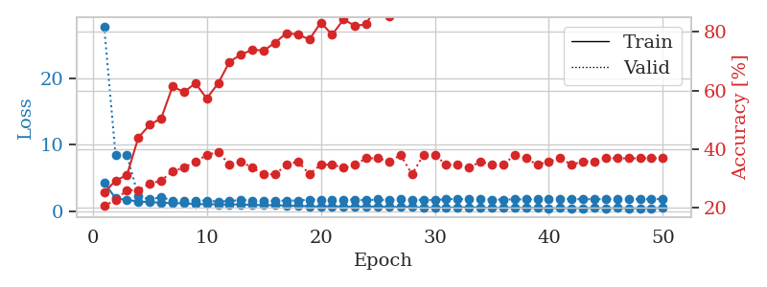
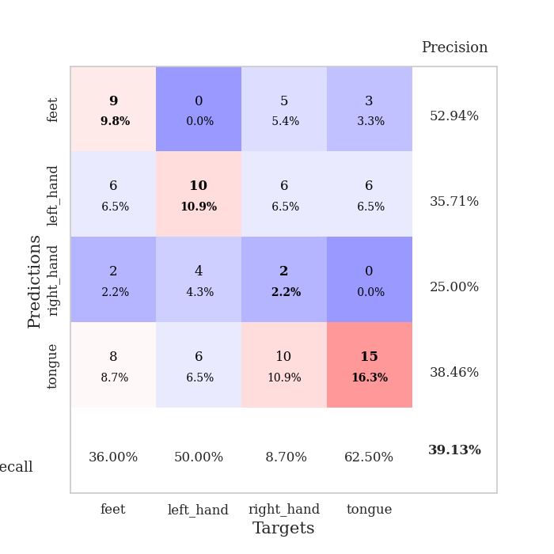
train_loss | valid_loss | train_accuracy | valid_accuracy | dur | train_misclass | valid_misclass
4.2913323693 | 27.776546354 | 0.2527173913 | 0.20652173913 | 0.079850435257 | 25.27173913 | 20.652173913
1.9294960499 | 8.4012716438 | 0.29347826087 | 0.22826086957 | 0.079749822617 | 29.347826087 | 22.826086957
1.6870214265 | 8.3900920101 | 0.3125 | 0.26086956522 | 0.079406023026 | 31.25 | 26.086956522
1.4422747622 | 2.215100786 | 0.4402173913 | 0.26086956522 | 0.079298257828 | 44.02173913 | 26.086956522
1.351655929 | 1.7529130759 | 0.48369565217 | 0.28260869565 | 0.079314231873 | 48.369565217 | 28.260869565
1.2611226362 | 2.1099807905 | 0.50543478261 | 0.29347826087 | 0.079406499863 | 50.543478261 | 29.347826087
1.1904325615 | 1.5693071251 | 0.61413043478 | 0.32608695652 | 0.079411029816 | 61.413043478 | 32.608695652
1.1828727048 | 1.5889188466 | 0.59510869565 | 0.33695652174 | 0.079330682755 | 59.510869565 | 33.695652174
1.0492652085 | 1.5931673465 | 0.625 | 0.35869565217 | 0.079342842102 | 62.5 | 35.869565217
1.04941252 | 1.5710360071 | 0.57336956522 | 0.38043478261 | 0.079379081726 | 57.336956522 | 38.043478261
1.0015859708 | 1.4225209122 | 0.625 | 0.39130434783 | 0.079553842545 | 62.5 | 39.130434783
0.99121440623 | 1.5259409003 | 0.69836956522 | 0.34782608696 | 0.079182386398 | 69.836956522 | 34.782608696
1.0058421829 | 1.6662936573 | 0.72282608696 | 0.35869565217 | 0.079098939896 | 72.282608696 | 35.869565217
0.93205606937 | 1.5868613357 | 0.73913043478 | 0.33695652174 | 0.07913351059 | 73.913043478 | 33.695652174
0.88761440567 | 1.5386877526 | 0.73641304348 | 0.3152173913 | 0.079312086105 | 73.641304348 | 31.52173913
0.88804823938 | 1.5418457415 | 0.76358695652 | 0.3152173913 | 0.079297065735 | 76.358695652 | 31.52173913
0.81302015159 | 1.5798430184 | 0.79619565217 | 0.34782608696 | 0.079252481461 | 79.619565217 | 34.782608696
0.81009260209 | 1.5888544528 | 0.79076086957 | 0.35869565217 | 0.079085826874 | 79.076086957 | 35.869565217
0.70884983825 | 1.7278910875 | 0.77445652174 | 0.3152173913 | 0.07928609848 | 77.445652174 | 31.52173913
0.681696735 | 1.7033117958 | 0.83152173913 | 0.34782608696 | 0.087889432907 | 83.152173913 | 34.782608696
0.73531404008 | 1.6940602479 | 0.79076086957 | 0.34782608696 | 0.087737560272 | 79.076086957 | 34.782608696
0.66842103264 | 1.6959296724 | 0.84239130435 | 0.33695652174 | 0.081537723541 | 84.239130435 | 33.695652174
0.65128833055 | 1.718357506 | 0.82065217391 | 0.34782608696 | 0.080937385559 | 82.065217391 | 34.782608696
0.65656129433 | 1.6141285015 | 0.82608695652 | 0.36956521739 | 0.080952644348 | 82.608695652 | 36.956521739
0.69393474123 | 1.7535416821 | 0.90217391304 | 0.36956521739 | 0.080878257751 | 90.217391304 | 36.956521739
0.60991631772 | 1.6062315962 | 0.85326086957 | 0.35869565217 | 0.081010580063 | 85.326086957 | 35.869565217
0.62073948202 | 1.8623458043 | 0.8722826087 | 0.38043478261 | 0.080929279327 | 87.22826087 | 38.043478261
0.63522169253 | 1.6692550286 | 0.875 | 0.3152173913 | 0.080924272537 | 87.5 | 31.52173913
0.51081108399 | 1.6883123439 | 0.91576086957 | 0.38043478261 | 0.080705881119 | 91.576086957 | 38.043478261
0.51430761814 | 1.6454075938 | 0.90217391304 | 0.38043478261 | 0.080782175064 | 90.217391304 | 38.043478261
0.5426424068 | 1.7824004992 | 0.86956521739 | 0.34782608696 | 0.08097910881 | 86.956521739 | 34.782608696
0.52269448405 | 1.8246387399 | 0.92119565217 | 0.34782608696 | 0.080927371979 | 92.119565217 | 34.782608696
0.57963970174 | 1.758814708 | 0.92663043478 | 0.33695652174 | 0.080872774124 | 92.663043478 | 33.695652174
0.52287775408 | 1.761558823 | 0.94293478261 | 0.35869565217 | 0.080741882324 | 94.293478261 | 35.869565217
0.45220563334 | 1.7298250354 | 0.91847826087 | 0.34782608696 | 0.081112146378 | 91.847826087 | 34.782608696
0.49432471071 | 1.7300693885 | 0.91576086957 | 0.34782608696 | 0.080995798111 | 91.576086957 | 34.782608696
0.50182406928 | 1.7592449603 | 0.92119565217 | 0.38043478261 | 0.081252098083 | 92.119565217 | 38.043478261
0.46164244802 | 1.7515646064 | 0.95380434783 | 0.36956521739 | 0.081052303314 | 95.380434783 | 36.956521739
0.46987126897 | 1.805013838 | 0.95380434783 | 0.34782608696 | 0.080995559692 | 95.380434783 | 34.782608696
0.42360526906 | 1.8232146294 | 0.95380434783 | 0.35869565217 | 0.081132650375 | 95.380434783 | 35.869565217
0.45604598393 | 1.7949649407 | 0.95923913043 | 0.36956521739 | 0.081516027451 | 95.923913043 | 36.956521739
0.44539324356 | 1.812632711 | 0.96195652174 | 0.34782608696 | 0.08095908165 | 96.195652174 | 34.782608696
0.43331757512 | 1.7988946282 | 0.97010869565 | 0.35869565217 | 0.080958843231 | 97.010869565 | 35.869565217
0.48131280295 | 1.792479966 | 0.96739130435 | 0.35869565217 | 0.081252813339 | 96.739130435 | 35.869565217
0.41685717844 | 1.7995611948 | 0.96739130435 | 0.36956521739 | 0.081387042999 | 96.739130435 | 36.956521739
0.46497997253 | 1.8036555881 | 0.96739130435 | 0.36956521739 | 0.081458568573 | 96.739130435 | 36.956521739
0.41694791745 | 1.8014174544 | 0.97010869565 | 0.36956521739 | 0.081312179565 | 97.010869565 | 36.956521739
0.43630747756 | 1.8039103643 | 0.97010869565 | 0.36956521739 | 0.086936950684 | 97.010869565 | 36.956521739
0.43949297071 | 1.806904601 | 0.97010869565 | 0.36956521739 | 0.081364631653 | 97.010869565 | 36.956521739
0.47049350389 | 1.8086798969 | 0.97282608696 | 0.36956521739 | 0.081303834915 | 97.282608696 | 36.956521739

Best Val accuracy is 0.391304347826087 and Best test accuracy is 0.3275862068965517

Sheet7
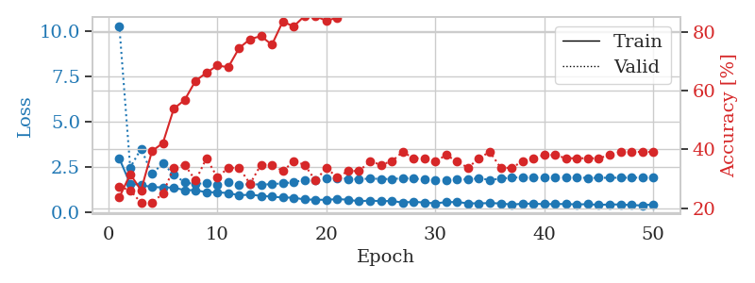
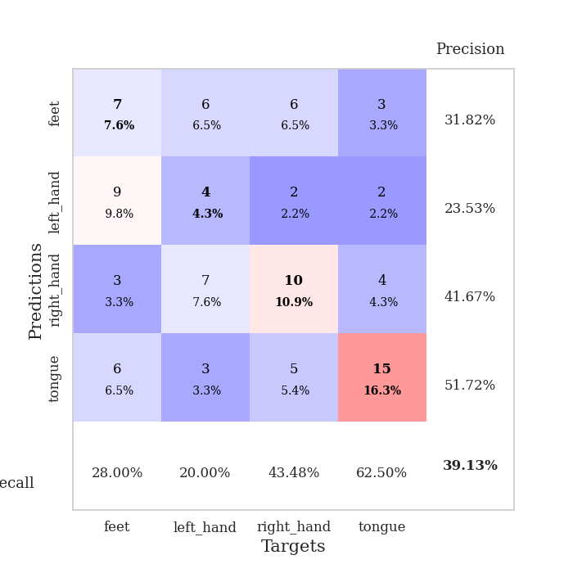
train_loss | valid_loss | train_accuracy | valid_accuracy | dur | train_misclass | valid_misclass
2.9610607106 | 10.308546253 | 0.23641304348 | 0.27173913043 | 0.082625865936 | 23.641304348 | 27.173913043
1.5528961368 | 2.4568716236 | 0.3152173913 | 0.26086956522 | 0.081414461136 | 31.52173913 | 26.086956522
1.4987978676 | 3.5013468784 | 0.26086956522 | 0.21739130435 | 0.080507993698 | 26.086956522 | 21.739130435
1.3653177697 | 2.1065416077 | 0.39402173913 | 0.21739130435 | 0.080574989319 | 39.402173913 | 21.739130435
1.3614715649 | 2.6832024947 | 0.42119565217 | 0.25 | 0.080537319183 | 42.119565217 | 25
1.339855956 | 2.0661470942 | 0.53804347826 | 0.33695652174 | 0.080641269684 | 53.804347826 | 33.695652174
1.2052862955 | 1.6342816405 | 0.56793478261 | 0.34782608696 | 0.081324338913 | 56.793478261 | 34.782608696
1.2016636366 | 1.5355462147 | 0.63315217391 | 0.29347826087 | 0.080737829208 | 63.315217391 | 29.347826087
1.084154383 | 1.6147123368 | 0.66032608696 | 0.36956521739 | 0.08091211319 | 66.032608696 | 36.956521739
1.0870632659 | 1.5060143419 | 0.6847826087 | 0.30434782609 | 0.080885887146 | 68.47826087 | 30.434782609
1.0383099629 | 1.6303088043 | 0.67934782609 | 0.33695652174 | 0.081004619598 | 67.934782609 | 33.695652174
0.92028127028 | 1.5011635915 | 0.74456521739 | 0.33695652174 | 0.080852270126 | 74.456521739 | 33.695652174
0.94877996134 | 1.5318924085 | 0.77445652174 | 0.28260869565 | 0.080917596817 | 77.445652174 | 28.260869565
0.89130014959 | 1.5172688391 | 0.78532608696 | 0.34782608696 | 0.080934047699 | 78.532608696 | 34.782608696
0.84115986202 | 1.529134144 | 0.75543478261 | 0.34782608696 | 0.082561254501 | 75.543478261 | 34.782608696
0.79392651242 | 1.5847375341 | 0.83423913043 | 0.32608695652 | 0.083514928818 | 83.423913043 | 32.608695652
0.78681417652 | 1.6348490767 | 0.81793478261 | 0.35869565217 | 0.081317901611 | 81.793478261 | 35.869565217
0.68398486661 | 1.7812111896 | 0.85326086957 | 0.34782608696 | 0.081085443497 | 85.326086957 | 34.782608696
0.67575221476 | 1.7716443435 | 0.85326086957 | 0.29347826087 | 0.080987453461 | 85.326086957 | 29.347826087
0.66387993745 | 1.8824816631 | 0.83695652174 | 0.33695652174 | 0.080894708633 | 83.695652174 | 33.695652174
0.70819442298 | 1.8721655918 | 0.84782608696 | 0.30434782609 | 0.080882310867 | 84.782608696 | 30.434782609
0.67229569736 | 1.8315110466 | 0.86956521739 | 0.32608695652 | 0.08122754097 | 86.956521739 | 32.608695652
0.58247932954 | 1.8107722739 | 0.89945652174 | 0.32608695652 | 0.081473588943 | 89.945652174 | 32.608695652
0.63006250755 | 1.8437339067 | 0.875 | 0.35869565217 | 0.08090877533 | 87.5 | 35.869565217
0.59010186856 | 1.8293691459 | 0.92119565217 | 0.34782608696 | 0.081011533737 | 92.119565217 | 34.782608696
0.60626195436 | 1.8136968405 | 0.95108695652 | 0.35869565217 | 0.081105470657 | 95.108695652 | 35.869565217
0.51331855551 | 1.868561102 | 0.92934782609 | 0.39130434783 | 0.081529378891 | 92.934782609 | 39.130434783
0.55951486074 | 1.8380346765 | 0.9375 | 0.36956521739 | 0.081556081772 | 93.75 | 36.956521739
0.51337467458 | 1.8099966412 | 0.94565217391 | 0.36956521739 | 0.080875873566 | 94.565217391 | 36.956521739
0.47137812687 | 1.7768591591 | 0.96195652174 | 0.35869565217 | 0.080771923065 | 96.195652174 | 35.869565217
0.53819408365 | 1.7758887177 | 0.96467391304 | 0.38043478261 | 0.080904483795 | 96.467391304 | 38.043478261
0.5440566151 | 1.7842332125 | 0.97282608696 | 0.35869565217 | 0.080711364746 | 97.282608696 | 35.869565217
0.47251975018 | 1.8047892063 | 0.97554347826 | 0.33695652174 | 0.080827713013 | 97.554347826 | 33.695652174
0.47227520658 | 1.8605045806 | 0.97010869565 | 0.36956521739 | 0.080820083618 | 97.010869565 | 36.956521739
0.484608347 | 1.7699162234 | 0.97010869565 | 0.39130434783 | 0.080718517303 | 97.010869565 | 39.130434783
0.46769433954 | 1.8385083831 | 0.98641304348 | 0.33695652174 | 0.080688238144 | 98.641304348 | 33.695652174
0.40078495637 | 1.8991186982 | 0.98641304348 | 0.33695652174 | 0.080601215363 | 98.641304348 | 33.695652174
0.45084988229 | 1.9141057833 | 0.98913043478 | 0.35869565217 | 0.080901145935 | 98.913043478 | 35.869565217
0.45386023301 | 1.8996628471 | 0.99184782609 | 0.36956521739 | 0.080881595612 | 99.184782609 | 36.956521739
0.42459724325 | 1.898467349 | 0.98369565217 | 0.38043478261 | 0.080880403519 | 98.369565217 | 38.043478261
0.43249149815 | 1.904940911 | 0.98641304348 | 0.38043478261 | 0.080766677856 | 98.641304348 | 38.043478261
0.43362208683 | 1.9155935619 | 0.98641304348 | 0.36956521739 | 0.080866098404 | 98.641304348 | 36.956521739
0.4101689717 | 1.9009123833 | 0.98913043478 | 0.36956521739 | 0.080979585648 | 98.913043478 | 36.956521739
0.42509305153 | 1.8822783595 | 0.99184782609 | 0.36956521739 | 0.080681800842 | 99.184782609 | 36.956521739
0.38539743035 | 1.8869739667 | 0.99184782609 | 0.36956521739 | 0.080872058868 | 99.184782609 | 36.956521739
0.40948579169 | 1.8897985531 | 0.99184782609 | 0.38043478261 | 0.080763339996 | 99.184782609 | 38.043478261
0.40868718987 | 1.891800756 | 0.99184782609 | 0.39130434783 | 0.08082485199 | 99.184782609 | 39.130434783
0.37137011601 | 1.8943724218 | 0.99184782609 | 0.39130434783 | 0.081060886383 | 99.184782609 | 39.130434783
0.35660817118 | 1.8970219415 | 0.99184782609 | 0.39130434783 | 0.081422567368 | 99.184782609 | 39.130434783
0.42086611429 | 1.8981872693 | 0.99184782609 | 0.39130434783 | 0.081421136856 | 99.184782609 | 39.130434783

Best Val accuracy is 0.391304347826087 and Best test accuracy is 0.3706896551724138

Sheet8
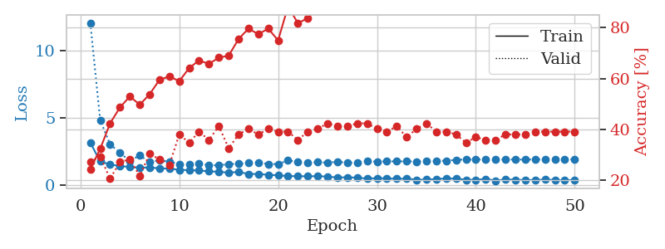
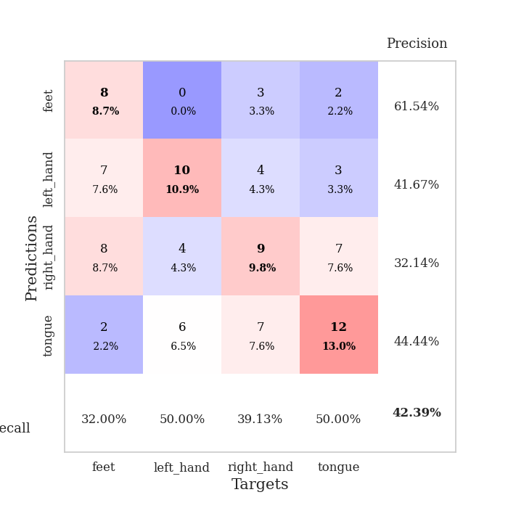
train_loss | valid_loss | train_accuracy | valid_accuracy | dur | train_misclass | valid_misclass
3.1386285865 | 12.076684827 | 0.24456521739 | 0.27173913043 | 0.083491325378 | 24.456521739 | 27.173913043
1.7417053503 | 4.8157858434 | 0.32336956522 | 0.29347826087 | 0.081605195999 | 32.336956522 | 29.347826087
1.5071043968 | 3.0192972266 | 0.42391304348 | 0.20652173913 | 0.081082105637 | 42.391304348 | 20.652173913
1.400235259 | 2.3849933199 | 0.48641304348 | 0.27173913043 | 0.081065654755 | 48.641304348 | 27.173913043
1.3272336203 | 1.7707708193 | 0.52989130435 | 0.28260869565 | 0.080898284912 | 52.989130435 | 28.260869565
1.266822478 | 2.18975035 | 0.4972826087 | 0.21739130435 | 0.081039428711 | 49.72826087 | 21.739130435
1.2920144952 | 1.6831433877 | 0.53804347826 | 0.30434782609 | 0.080770969391 | 53.804347826 | 30.434782609
1.2214883747 | 1.8255155812 | 0.59510869565 | 0.28260869565 | 0.080318689346 | 59.510869565 | 28.260869565
1.212488063 | 1.7303004317 | 0.60869565217 | 0.26086956522 | 0.079775094986 | 60.869565217 | 26.086956522
1.1081569609 | 1.5092494021 | 0.58967391304 | 0.38043478261 | 0.080588102341 | 58.967391304 | 38.043478261
1.0926089935 | 1.512224327 | 0.64130434783 | 0.34782608696 | 0.080215215683 | 64.130434783 | 34.782608696
1.0605634788 | 1.5983681471 | 0.67119565217 | 0.39130434783 | 0.082075357437 | 67.119565217 | 39.130434783
1.0026406594 | 1.4700085184 | 0.65760869565 | 0.35869565217 | 0.079241514206 | 65.760869565 | 35.869565217
0.96426714244 | 1.4434003571 | 0.68206521739 | 0.41304347826 | 0.079169273376 | 68.206521739 | 41.304347826
0.90994296644 | 1.5419101663 | 0.6902173913 | 0.32608695652 | 0.079383850098 | 69.02173913 | 32.608695652
0.95132625362 | 1.566153687 | 0.75543478261 | 0.38043478261 | 0.079284191132 | 75.543478261 | 38.043478261
0.81033479908 | 1.6173776129 | 0.79619565217 | 0.40217391304 | 0.079393386841 | 79.619565217 | 40.217391304
0.80000573138 | 1.6528634766 | 0.77445652174 | 0.38043478261 | 0.079490661621 | 77.445652174 | 38.043478261
0.74543512645 | 1.551657573 | 0.79619565217 | 0.40217391304 | 0.082641124725 | 79.619565217 | 40.217391304
0.70164460462 | 1.5386001545 | 0.75 | 0.39130434783 | 0.081440925598 | 75 | 39.130434783
0.6464324762 | 1.8266750678 | 0.88315217391 | 0.39130434783 | 0.080727577209 | 88.315217391 | 39.130434783
0.64019639337 | 1.6849459202 | 0.81793478261 | 0.35869565217 | 0.081325054169 | 81.793478261 | 35.869565217
0.62797711595 | 1.6478420651 | 0.83695652174 | 0.39130434783 | 0.080632686615 | 83.695652174 | 39.130434783
0.64496806653 | 1.6847717917 | 0.8777173913 | 0.40217391304 | 0.080620288849 | 87.77173913 | 40.217391304
0.60582812454 | 1.6482674505 | 0.88315217391 | 0.42391304348 | 0.080555915833 | 88.315217391 | 42.391304348
0.5420848183 | 1.7111001637 | 0.88586956522 | 0.41304347826 | 0.081260442734 | 88.586956522 | 41.304347826
0.55504924577 | 1.6509430771 | 0.92663043478 | 0.41304347826 | 0.081148386002 | 92.663043478 | 41.304347826
0.53008486395 | 1.6467661287 | 0.94836956522 | 0.42391304348 | 0.080937385559 | 94.836956522 | 42.391304348
0.46072693817 | 1.7445046694 | 0.9375 | 0.42391304348 | 0.083976268768 | 93.75 | 42.391304348
0.48971277475 | 1.7221529225 | 0.95108695652 | 0.40217391304 | 0.0812895298 | 95.108695652 | 40.217391304
0.47940697489 | 1.7452922023 | 0.96739130435 | 0.39130434783 | 0.08150267601 | 96.739130435 | 39.130434783
0.44307074858 | 1.7421170162 | 0.93206521739 | 0.41304347826 | 0.081376552582 | 93.206521739 | 41.304347826
0.45852675127 | 1.7418979614 | 0.9402173913 | 0.36956521739 | 0.081429004669 | 94.02173913 | 36.956521739
0.37599605289 | 1.7346609209 | 0.97010869565 | 0.40217391304 | 0.081548929214 | 97.010869565 | 40.217391304
0.37823861449 | 1.7472777522 | 0.94836956522 | 0.42391304348 | 0.081567764282 | 94.836956522 | 42.391304348
0.42230812622 | 1.7691158315 | 0.97554347826 | 0.39130434783 | 0.081357717514 | 97.554347826 | 39.130434783
0.47470938706 | 1.7979687867 | 0.97010869565 | 0.39130434783 | 0.080837965012 | 97.010869565 | 39.130434783
0.45752621345 | 1.8589021278 | 0.97010869565 | 0.38043478261 | 0.08068561554 | 97.010869565 | 38.043478261
0.37018466579 | 1.8873566648 | 0.97282608696 | 0.34782608696 | 0.080766916275 | 97.282608696 | 34.782608696
0.36305186606 | 1.8790139375 | 0.98097826087 | 0.36956521739 | 0.080881595612 | 98.097826087 | 36.956521739
0.43801463622 | 1.9041212383 | 0.98913043478 | 0.35869565217 | 0.079356908798 | 98.913043478 | 35.869565217
0.30037899121 | 1.8978958596 | 0.98913043478 | 0.35869565217 | 0.079237699509 | 98.913043478 | 35.869565217
0.39723913631 | 1.8877664597 | 0.98913043478 | 0.38043478261 | 0.079252958298 | 98.913043478 | 38.043478261
0.37210815238 | 1.8801386978 | 0.98641304348 | 0.38043478261 | 0.079154968262 | 98.641304348 | 38.043478261
0.34983656782 | 1.8796891389 | 0.98641304348 | 0.38043478261 | 0.079382419586 | 98.641304348 | 38.043478261
0.35352213875 | 1.8868670671 | 0.98641304348 | 0.39130434783 | 0.079208135605 | 98.641304348 | 39.130434783
0.37746874599 | 1.8895919375 | 0.98641304348 | 0.39130434783 | 0.079296350479 | 98.641304348 | 39.130434783
0.3595254946 | 1.892270622 | 0.98641304348 | 0.39130434783 | 0.079540967941 | 98.641304348 | 39.130434783
0.32337296916 | 1.8936151111 | 0.98641304348 | 0.39130434783 | 0.083184957504 | 98.641304348 | 39.130434783
0.37319259572 | 1.8942640087 | 0.98641304348 | 0.39130434783 | 0.079356431961 | 98.641304348 | 39.130434783

Best Val accuracy is 0.42391304347826086 and Best test accuracy is 0.3448275862068966

Sheet9
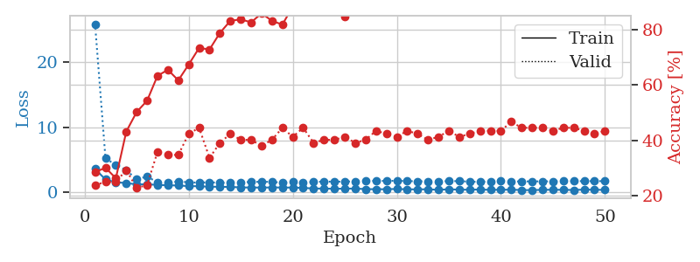
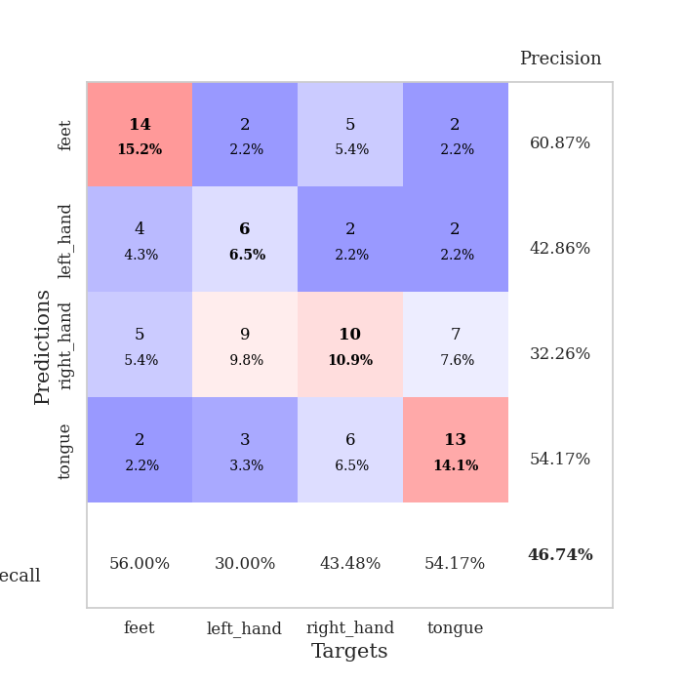
train_loss | valid_loss | train_accuracy | valid_accuracy | dur | train_misclass | valid_misclass
3.6136166427 | 25.841684051 | 0.28532608696 | 0.23913043478 | 0.081201076508 | 28.532608696 | 23.913043478
1.9962550454 | 5.251178928 | 0.30163043478 | 0.25 | 0.080036640167 | 30.163043478 | 25
1.5623947175 | 4.2065806803 | 0.26358695652 | 0.25 | 0.080455780029 | 26.358695652 | 25
1.4491260311 | 3.4182488037 | 0.43206521739 | 0.29347826087 | 0.082953453064 | 43.206521739 | 29.347826087
1.2443168293 | 2.0142608985 | 0.5027173913 | 0.22826086957 | 0.07949590683 | 50.27173913 | 22.826086957
1.2567318263 | 2.4539893347 | 0.54347826087 | 0.23913043478 | 0.080616950989 | 54.347826087 | 23.913043478
1.1635004697 | 1.5425376944 | 0.63315217391 | 0.35869565217 | 0.079989433289 | 63.315217391 | 35.869565217
1.0952266662 | 1.4961764553 | 0.65489130435 | 0.34782608696 | 0.07991194725 | 65.489130435 | 34.782608696
1.0780499474 | 1.6824669838 | 0.61684782609 | 0.34782608696 | 0.079887151718 | 61.684782609 | 34.782608696
0.97186872493 | 1.5635347885 | 0.67391304348 | 0.42391304348 | 0.080363988876 | 67.391304348 | 42.391304348
0.96298119555 | 1.4973955103 | 0.73369565217 | 0.44565217391 | 0.079926252365 | 73.369565217 | 44.565217391
0.87962242961 | 1.5761394915 | 0.72826086957 | 0.33695652174 | 0.079628229141 | 72.826086957 | 33.695652174
0.88146912015 | 1.4652356324 | 0.78804347826 | 0.39130434783 | 0.079788923264 | 78.804347826 | 39.130434783
0.84078316844 | 1.5140977113 | 0.83152173913 | 0.42391304348 | 0.082242488861 | 83.152173913 | 42.391304348
0.78560981284 | 1.5419776751 | 0.83695652174 | 0.40217391304 | 0.084474802017 | 83.695652174 | 40.217391304
0.75184428433 | 1.6283181076 | 0.82608695652 | 0.40217391304 | 0.080693721771 | 82.608695652 | 40.217391304
0.76144228033 | 1.6284301022 | 0.85869565217 | 0.38043478261 | 0.080471515656 | 85.869565217 | 38.043478261
0.7602106268 | 1.6377945516 | 0.83152173913 | 0.40217391304 | 0.080687761307 | 83.152173913 | 40.217391304
0.76678065113 | 1.4922373347 | 0.81793478261 | 0.44565217391 | 0.080988168716 | 81.793478261 | 44.565217391
0.74474835007 | 1.6273033619 | 0.88315217391 | 0.41304347826 | 0.080130338669 | 88.315217391 | 41.304347826
0.71039325388 | 1.5854646278 | 0.88043478261 | 0.44565217391 | 0.080544233322 | 88.043478261 | 44.565217391
0.59742903839 | 1.5990861136 | 0.91847826087 | 0.39130434783 | 0.084125041962 | 91.847826087 | 39.130434783
0.60604318847 | 1.68364048 | 0.89402173913 | 0.40217391304 | 0.083623409271 | 89.402173913 | 40.217391304
0.56322024698 | 1.6416335054 | 0.91032608696 | 0.40217391304 | 0.084365367889 | 91.032608696 | 40.217391304
0.59213060659 | 1.6838015214 | 0.84782608696 | 0.41304347826 | 0.082201242447 | 84.782608696 | 41.304347826
0.59747891841 | 1.685380972 | 0.92119565217 | 0.39130434783 | 0.08136343956 | 92.119565217 | 39.130434783
0.51833772724 | 1.7603342222 | 0.90489130435 | 0.40217391304 | 0.081243753433 | 90.489130435 | 40.217391304
0.49673278306 | 1.7763847838 | 0.9375 | 0.4347826087 | 0.082159042358 | 93.75 | 43.47826087
0.49780762325 | 1.7683294493 | 0.92663043478 | 0.42391304348 | 0.081495523453 | 92.663043478 | 42.391304348
0.53904594287 | 1.791909534 | 0.94836956522 | 0.41304347826 | 0.080824136734 | 94.836956522 | 41.304347826
0.47943693853 | 1.7448147276 | 0.95923913043 | 0.4347826087 | 0.082448482513 | 95.923913043 | 43.47826087
0.47953575266 | 1.7156319411 | 0.95652173913 | 0.42391304348 | 0.082663059235 | 95.652173913 | 42.391304348
0.48772331036 | 1.7099267348 | 0.95652173913 | 0.40217391304 | 0.080799818039 | 95.652173913 | 40.217391304
0.40390758152 | 1.7121488478 | 0.96467391304 | 0.41304347826 | 0.081923484802 | 96.467391304 | 41.304347826
0.49509555879 | 1.7335995799 | 0.97554347826 | 0.4347826087 | 0.084715604782 | 97.554347826 | 43.47826087
0.42993412653 | 1.7426535513 | 0.97826086957 | 0.41304347826 | 0.080038309097 | 97.826086957 | 41.304347826
0.42727873118 | 1.6522731626 | 0.97010869565 | 0.42391304348 | 0.080039978027 | 97.010869565 | 42.391304348
0.45541986434 | 1.6244255978 | 0.97010869565 | 0.4347826087 | 0.088663339615 | 97.010869565 | 43.47826087
0.3980490507 | 1.6990969907 | 0.97282608696 | 0.4347826087 | 0.082677125931 | 97.282608696 | 43.47826087
0.41794073582 | 1.7301845913 | 0.97282608696 | 0.4347826087 | 0.081877708435 | 97.282608696 | 43.47826087
0.42367350861 | 1.6744846313 | 0.96739130435 | 0.46739130435 | 0.082548379898 | 96.739130435 | 46.739130435
0.37693827794 | 1.7041947272 | 0.97554347826 | 0.44565217391 | 0.082501888275 | 97.554347826 | 44.565217391
0.35335521562 | 1.6980391378 | 0.97554347826 | 0.44565217391 | 0.081670284271 | 97.554347826 | 44.565217391
0.40956017051 | 1.7053342539 | 0.97826086957 | 0.44565217391 | 0.081290245056 | 97.826086957 | 44.565217391
0.41438842079 | 1.7055515258 | 0.97826086957 | 0.4347826087 | 0.082268238068 | 97.826086957 | 43.47826087
0.40825759555 | 1.7263657995 | 0.97826086957 | 0.44565217391 | 0.081674575806 | 97.826086957 | 44.565217391
0.37760335077 | 1.7330668284 | 0.98097826087 | 0.44565217391 | 0.080901145935 | 98.097826087 | 44.565217391
0.44122504087 | 1.7370865708 | 0.98097826087 | 0.4347826087 | 0.081409454346 | 98.097826087 | 43.47826087
0.41457668789 | 1.7378769802 | 0.98097826087 | 0.42391304348 | 0.082161188126 | 98.097826087 | 42.391304348
0.39654871109 | 1.7379286186 | 0.98097826087 | 0.4347826087 | 0.080926179886 | 98.097826087 | 43.47826087

Best Val accuracy is 0.4673913043478261 and Best test accuracy is 0.3448275862068966

Sheet10
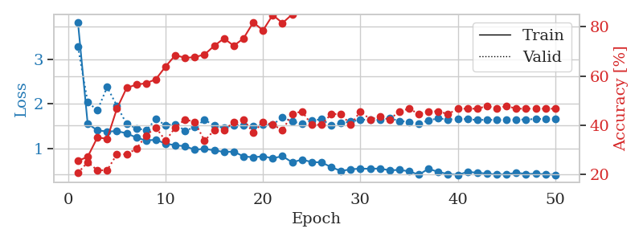
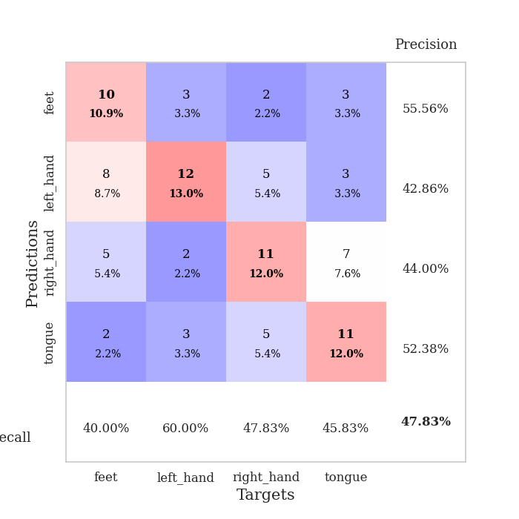
train_loss | valid_loss | train_accuracy | valid_accuracy | dur | train_misclass | valid_misclass
3.8265351886 | 3.2777988185 | 0.25543478261 | 0.20652173913 | 0.082861185074 | 25.543478261 | 20.652173913
1.559892613 | 2.0411986838 | 0.27173913043 | 0.25 | 0.080767154694 | 27.173913043 | 25
1.4073529606 | 1.8545510665 | 0.35054347826 | 0.21739130435 | 0.081641674042 | 35.054347826 | 21.739130435
1.3845778445 | 2.3765638963 | 0.34510869565 | 0.21739130435 | 0.081049919128 | 34.510869565 | 21.739130435
1.3910218477 | 1.958571745 | 0.46739130435 | 0.28260869565 | 0.082300424576 | 46.739130435 | 28.260869565
1.3441242135 | 1.551420585 | 0.55163043478 | 0.28260869565 | 0.081691265106 | 55.163043478 | 28.260869565
1.2471472776 | 1.4559891587 | 0.5652173913 | 0.30434782609 | 0.080767154694 | 56.52173913 | 30.434782609
1.1823512471 | 1.4100591774 | 0.57065217391 | 0.35869565217 | 0.081473112106 | 57.065217391 | 35.869565217
1.2003684925 | 1.6564147058 | 0.58695652174 | 0.39130434783 | 0.084757566452 | 58.695652174 | 39.130434783
1.1112924607 | 1.5240347956 | 0.63858695652 | 0.33695652174 | 0.080407142639 | 63.858695652 | 33.695652174
1.0776552377 | 1.5480533268 | 0.6847826087 | 0.39130434783 | 0.081615447998 | 68.47826087 | 39.130434783
1.0549971617 | 1.403174675 | 0.67391304348 | 0.42391304348 | 0.082093715668 | 67.391304348 | 42.391304348
0.97608690417 | 1.4771666838 | 0.67663043478 | 0.41304347826 | 0.08092880249 | 67.663043478 | 41.304347826
0.99842279372 | 1.6457388349 | 0.6875 | 0.33695652174 | 0.080416679382 | 68.75 | 33.695652174
0.96066602676 | 1.5132218081 | 0.72282608696 | 0.38043478261 | 0.084429979324 | 72.282608696 | 38.043478261
0.9283979561 | 1.4670945976 | 0.7527173913 | 0.38043478261 | 0.08066368103 | 75.27173913 | 38.043478261
0.93439907095 | 1.5261770072 | 0.72282608696 | 0.41304347826 | 0.085600376129 | 72.282608696 | 41.304347826
0.82740809866 | 1.5198650982 | 0.7527173913 | 0.42391304348 | 0.08075428009 | 75.27173913 | 42.391304348
0.80810852414 | 1.4968651118 | 0.81793478261 | 0.36956521739 | 0.081893444061 | 81.793478261 | 36.956521739
0.82931925421 | 1.5363728067 | 0.78532608696 | 0.41304347826 | 0.081350803375 | 78.532608696 | 41.304347826
0.78656579101 | 1.5367931231 | 0.84782608696 | 0.40217391304 | 0.081617355347 | 84.782608696 | 40.217391304
0.8326912937 | 1.7023493207 | 0.8152173913 | 0.38043478261 | 0.086566925049 | 81.52173913 | 38.043478261
0.69453369923 | 1.6052016849 | 0.85054347826 | 0.44565217391 | 0.080569028854 | 85.054347826 | 44.565217391
0.7565625608 | 1.5596780155 | 0.92119565217 | 0.45652173913 | 0.081035375595 | 92.119565217 | 45.652173913
0.70144132168 | 1.6294056903 | 0.90217391304 | 0.40217391304 | 0.089661121368 | 90.217391304 | 40.217391304
0.69364856248 | 1.6564971831 | 0.90217391304 | 0.40217391304 | 0.084915161133 | 90.217391304 | 40.217391304
0.58887769995 | 1.5184451756 | 0.88043478261 | 0.44565217391 | 0.079792261124 | 88.043478261 | 44.565217391
0.50155531583 | 1.5673893586 | 0.90760869565 | 0.44565217391 | 0.080127954483 | 90.760869565 | 44.565217391
0.54019722602 | 1.6031037776 | 0.93206521739 | 0.40217391304 | 0.07977604866 | 93.206521739 | 40.217391304
0.55464904723 | 1.6472290029 | 0.91576086957 | 0.45652173913 | 0.080991506577 | 91.576086957 | 45.652173913
0.55129414797 | 1.6458399918 | 0.93206521739 | 0.42391304348 | 0.080386161804 | 93.206521739 | 42.391304348
0.55649971573 | 1.6414706137 | 0.94836956522 | 0.4347826087 | 0.080000638962 | 94.836956522 | 43.47826087
0.51678634338 | 1.6782184425 | 0.95652173913 | 0.42391304348 | 0.079785108566 | 95.652173913 | 42.391304348
0.52651187648 | 1.6194233998 | 0.95652173913 | 0.45652173913 | 0.080095529556 | 95.652173913 | 45.652173913
0.49447800802 | 1.5986119301 | 0.97282608696 | 0.46739130435 | 0.079899311066 | 97.282608696 | 46.739130435
0.41882473554 | 1.5582160172 | 0.96467391304 | 0.44565217391 | 0.0797290802 | 96.467391304 | 44.565217391
0.55385922608 | 1.6323807343 | 0.96739130435 | 0.45652173913 | 0.0797996521 | 96.739130435 | 45.652173913
0.47712134343 | 1.6776885313 | 0.97010869565 | 0.45652173913 | 0.079581022263 | 97.010869565 | 45.652173913
0.43597902682 | 1.649100936 | 0.96195652174 | 0.44565217391 | 0.08061003685 | 96.195652174 | 44.565217391
0.41508334357 | 1.6684762758 | 0.97282608696 | 0.46739130435 | 0.079978704453 | 97.282608696 | 46.739130435
0.48187457867 | 1.6592629526 | 0.97826086957 | 0.46739130435 | 0.079976797104 | 97.826086957 | 46.739130435
0.46358693553 | 1.6400898125 | 0.98097826087 | 0.46739130435 | 0.079616308212 | 98.097826087 | 46.739130435
0.44199108754 | 1.6465356091 | 0.98641304348 | 0.47826086957 | 0.079836368561 | 98.641304348 | 47.826086957
0.42304192613 | 1.6386867658 | 0.98641304348 | 0.46739130435 | 0.079754829407 | 98.641304348 | 46.739130435
0.42632632929 | 1.6400223141 | 0.98641304348 | 0.47826086957 | 0.079297065735 | 98.641304348 | 47.826086957
0.46366431661 | 1.645095566 | 0.98641304348 | 0.46739130435 | 0.079712629318 | 98.641304348 | 46.739130435
0.4347477497 | 1.6546759968 | 0.98913043478 | 0.46739130435 | 0.080571174622 | 98.913043478 | 46.739130435
0.44004834994 | 1.6613043028 | 0.98913043478 | 0.46739130435 | 0.07950425148 | 98.913043478 | 46.739130435
0.42841202669 | 1.6662475648 | 0.98913043478 | 0.46739130435 | 0.079327344894 | 98.913043478 | 46.739130435
0.41393353822 | 1.6695333356 | 0.98913043478 | 0.46739130435 | 0.079427957535 | 98.913043478 | 46.739130435

Best Val accuracy is 0.4782608695652174 and Best test accuracy is 0.31896551724137934

