Sheet
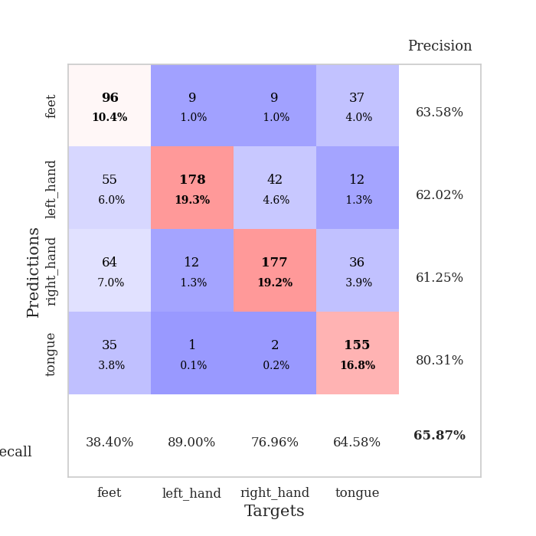
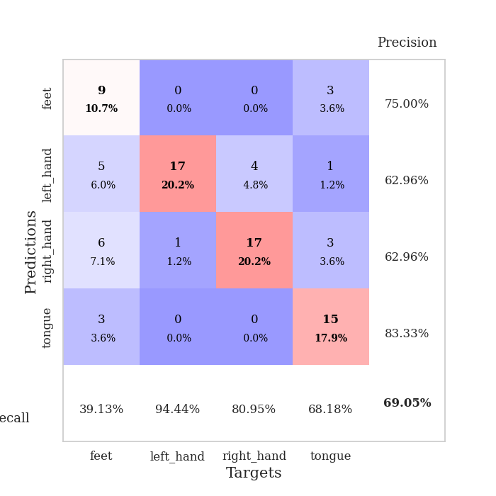
best_val_acc | best_val_los | best_test_acc
0.55434782609 | 1.164293538 | 0.43103448276
0.67391304348 | 1.0109429463 | 0.63793103448
0.64130434783 | 1.0276902137 | 0.60344827586
0.63043478261 | 0.96884920286 | 0.58620689655
0.61956521739 | 1.1556135779 | 0.50862068966
0.71739130435 | 0.93247526884 | 0.6724137931
0.63043478261 | 1.1089716891 | 0.62068965517
0.69565217391 | 0.79898551236 | 0.69827586207
0.67391304348 | 0.88781958818 | 0.63793103448
0.75 | 0.73655187306 | 0.73275862069

Mean,std Val accuracy is 0.658695652173913 , 0.05570762635879005 and mean, std test accuracy is 0.6129310344827587 , 0.08898307617270759

Sheet1
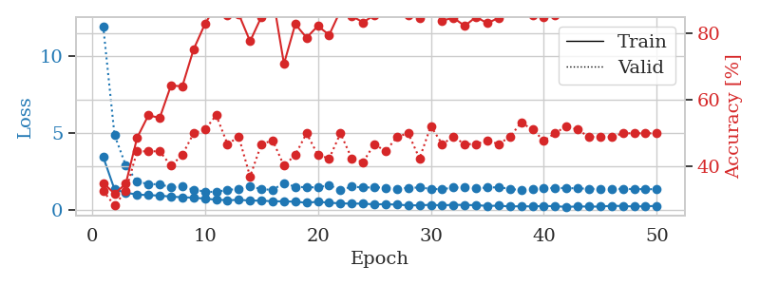
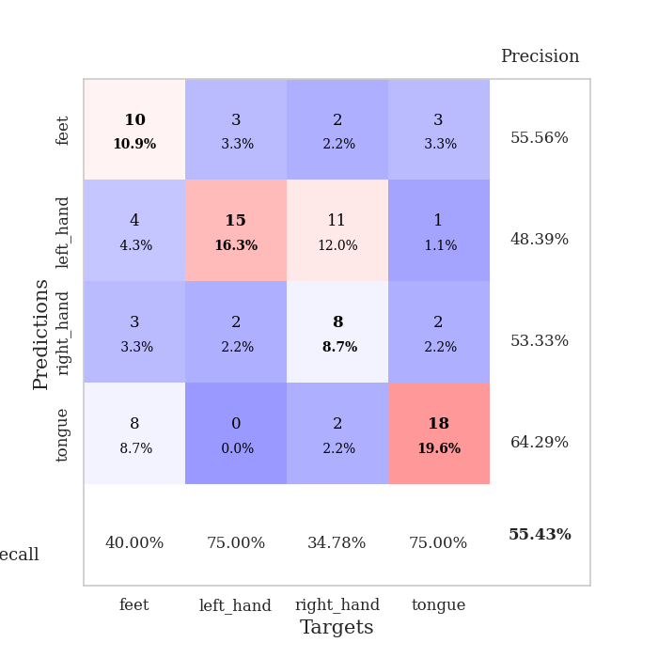
train_loss | valid_loss | train_accuracy | valid_accuracy | dur | train_misclass | valid_misclass
3.4548755832 | 11.96760671 | 0.35054347826 | 0.32608695652 | 0.081153869629 | 35.054347826 | 32.608695652
1.3397800715 | 4.8837783855 | 0.31793478261 | 0.28260869565 | 0.079733610153 | 31.793478261 | 28.260869565
1.1188592392 | 2.8953175026 | 0.34782608696 | 0.32608695652 | 0.079652547836 | 34.782608696 | 32.608695652
1.003630436 | 1.8408613982 | 0.48641304348 | 0.44565217391 | 0.07941031456 | 48.641304348 | 44.565217391
0.9654511291 | 1.6887853146 | 0.55434782609 | 0.44565217391 | 0.080306768417 | 55.434782609 | 44.565217391
0.93405770867 | 1.6660002418 | 0.54619565217 | 0.44565217391 | 0.079896450043 | 54.619565217 | 44.565217391
0.86618089676 | 1.4785644334 | 0.64402173913 | 0.40217391304 | 0.079808950424 | 64.402173913 | 40.217391304
0.82597293284 | 1.5198385145 | 0.64130434783 | 0.4347826087 | 0.079594135284 | 64.130434783 | 43.47826087
0.80059914226 | 1.3121598285 | 0.7527173913 | 0.5 | 0.07967209816 | 75.27173913 | 50
0.73395561913 | 1.202320244 | 0.82880434783 | 0.51086956522 | 0.08047914505 | 82.880434783 | 51.086956522
0.67227531775 | 1.164293538 | 0.88586956522 | 0.55434782609 | 0.08087015152 | 88.586956522 | 55.434782609
0.63334217797 | 1.3151018516 | 0.85597826087 | 0.46739130435 | 0.08060002327 | 85.597826087 | 46.739130435
0.65742503819 | 1.3501090692 | 0.85869565217 | 0.48913043478 | 0.079449176788 | 85.869565217 | 48.913043478
0.61454683931 | 1.5707367555 | 0.77717391304 | 0.36956521739 | 0.079420804977 | 77.717391304 | 36.956521739
0.60350075623 | 1.3328024615 | 0.85054347826 | 0.46739130435 | 0.079339265823 | 85.054347826 | 46.739130435
0.56534887397 | 1.3223987248 | 0.91304347826 | 0.47826086957 | 0.079473018646 | 91.304347826 | 47.826086957
0.5615203698 | 1.7388537241 | 0.70923913043 | 0.40217391304 | 0.079668998718 | 70.923913043 | 40.217391304
0.53716008041 | 1.5099044053 | 0.82880434783 | 0.4347826087 | 0.079254150391 | 82.880434783 | 43.47826087
0.46995876341 | 1.4736700369 | 0.78804347826 | 0.5 | 0.079699277878 | 78.804347826 | 50
0.53529088394 | 1.4728196678 | 0.82336956522 | 0.4347826087 | 0.079290866852 | 82.336956522 | 43.47826087
0.46821624624 | 1.6117494521 | 0.79619565217 | 0.42391304348 | 0.083188772202 | 79.619565217 | 42.391304348
0.43094457556 | 1.2981100678 | 0.86956521739 | 0.5 | 0.080528736115 | 86.956521739 | 50
0.41028015251 | 1.5179504985 | 0.85326086957 | 0.42391304348 | 0.080694437027 | 85.326086957 | 42.391304348
0.41437325918 | 1.4602461043 | 0.83423913043 | 0.41304347826 | 0.0811855793 | 83.423913043 | 41.304347826
0.35913170485 | 1.469724821 | 0.85597826087 | 0.46739130435 | 0.08089017868 | 85.597826087 | 46.739130435
0.37977994719 | 1.4479898033 | 0.89130434783 | 0.44565217391 | 0.081765413284 | 89.130434783 | 44.565217391
0.34284005314 | 1.366100529 | 0.8722826087 | 0.48913043478 | 0.081222057343 | 87.22826087 | 48.913043478
0.30326575915 | 1.4484279596 | 0.85597826087 | 0.5 | 0.080904006958 | 85.597826087 | 50
0.29961071439 | 1.4563036872 | 0.84782608696 | 0.42391304348 | 0.081129550934 | 84.782608696 | 42.391304348
0.33576811591 | 1.3771471148 | 0.88043478261 | 0.52173913043 | 0.081137895584 | 88.043478261 | 52.173913043
0.29722587635 | 1.3467475953 | 0.83967391304 | 0.46739130435 | 0.081187009811 | 83.967391304 | 46.739130435
0.33836563709 | 1.460378792 | 0.84782608696 | 0.48913043478 | 0.081387281418 | 84.782608696 | 48.913043478
0.31911617712 | 1.4569075911 | 0.82336956522 | 0.46739130435 | 0.08126282692 | 82.336956522 | 46.739130435
0.31440468392 | 1.414556905 | 0.85054347826 | 0.46739130435 | 0.080903768539 | 85.054347826 | 46.739130435
0.25918296498 | 1.4546292113 | 0.83152173913 | 0.47826086957 | 0.08239364624 | 83.152173913 | 47.826086957
0.28015769467 | 1.4767879688 | 0.84782608696 | 0.46739130435 | 0.085567712784 | 84.782608696 | 46.739130435
0.2230815881 | 1.3772166397 | 0.86684782609 | 0.48913043478 | 0.082060337067 | 86.684782609 | 48.913043478
0.24565982478 | 1.2801077573 | 0.8777173913 | 0.53260869565 | 0.081248283386 | 87.77173913 | 53.260869565
0.22473607642 | 1.3303328467 | 0.85597826087 | 0.51086956522 | 0.081542491913 | 85.597826087 | 51.086956522
0.26209609372 | 1.4162046495 | 0.85054347826 | 0.47826086957 | 0.081525087357 | 85.054347826 | 47.826086957
0.23961034158 | 1.4308606645 | 0.85597826087 | 0.5 | 0.081218004227 | 85.597826087 | 50
0.20108448682 | 1.4237505223 | 0.86956521739 | 0.52173913043 | 0.080564975739 | 86.956521739 | 52.173913043
0.22441439071 | 1.404250557 | 0.86956521739 | 0.51086956522 | 0.080573797226 | 86.956521739 | 51.086956522
0.22329205194 | 1.3801480869 | 0.8777173913 | 0.48913043478 | 0.080335617065 | 87.77173913 | 48.913043478
0.21588655205 | 1.3584458413 | 0.89402173913 | 0.48913043478 | 0.079935312271 | 89.402173913 | 48.913043478
0.27288538185 | 1.3702089398 | 0.88315217391 | 0.48913043478 | 0.080383777618 | 88.315217391 | 48.913043478
0.25244057956 | 1.3682942909 | 0.88315217391 | 0.5 | 0.0803565979 | 88.315217391 | 50
0.22431372333 | 1.3597648247 | 0.88586956522 | 0.5 | 0.080214977264 | 88.586956522 | 50
0.24019261093 | 1.3536247093 | 0.88586956522 | 0.5 | 0.080090522766 | 88.586956522 | 50
0.26227723289 | 1.3498260742 | 0.89130434783 | 0.5 | 0.082675933838 | 89.130434783 | 50

Best Val accuracy is 0.5543478260869565 and Best test accuracy is 0.43103448275862066

Sheet2
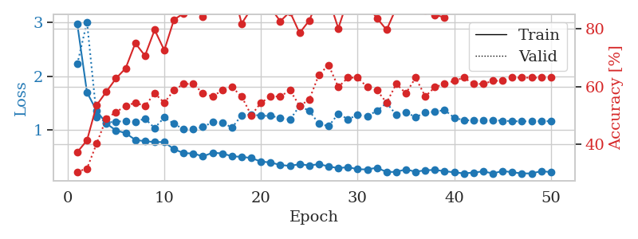
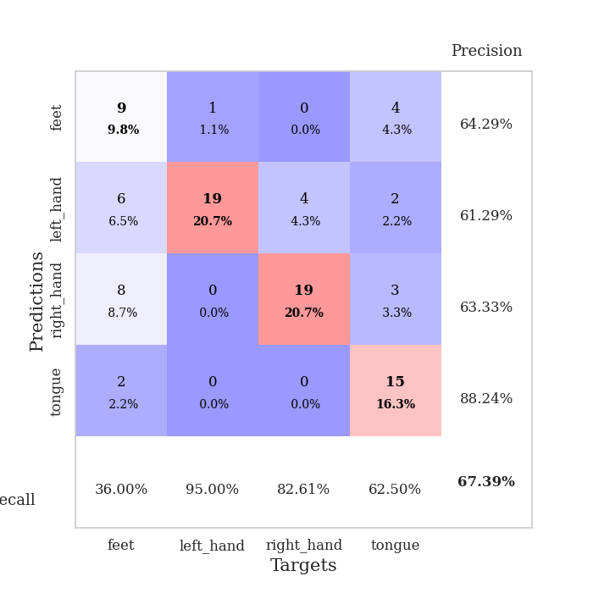
train_loss | valid_loss | train_accuracy | valid_accuracy | dur | train_misclass | valid_misclass
2.9698283206 | 2.226329705 | 0.3722826087 | 0.30434782609 | 0.08275103569 | 37.22826087 | 30.434782609
1.6990429318 | 3.0126364853 | 0.41304347826 | 0.3152173913 | 0.08041882515 | 41.304347826 | 31.52173913
1.3535268359 | 1.2424847821 | 0.53532608696 | 0.40217391304 | 0.080394983292 | 53.532608696 | 40.217391304
1.1181963164 | 1.1327717201 | 0.58152173913 | 0.48913043478 | 0.080889463425 | 58.152173913 | 48.913043478
0.98638317896 | 1.151739276 | 0.6277173913 | 0.51086956522 | 0.080367088318 | 62.77173913 | 51.086956522
0.93805065881 | 1.1617522654 | 0.66304347826 | 0.53260869565 | 0.082895040512 | 66.304347826 | 53.260869565
0.81040179729 | 1.1487250898 | 0.75 | 0.54347826087 | 0.080693244934 | 75 | 54.347826087
0.78617440099 | 1.2084482908 | 0.70652173913 | 0.53260869565 | 0.083513736725 | 70.652173913 | 53.260869565
0.7716811688 | 1.0318301735 | 0.79619565217 | 0.57608695652 | 0.080433607101 | 79.619565217 | 57.608695652
0.76956657741 | 1.230090162 | 0.72554347826 | 0.54347826087 | 0.082237482071 | 72.554347826 | 54.347826087
0.63700016815 | 1.1103806755 | 0.83152173913 | 0.58695652174 | 0.083113908768 | 83.152173913 | 58.695652174
0.56487801282 | 1.0110059277 | 0.85326086957 | 0.60869565217 | 0.081074714661 | 85.326086957 | 60.869565217
0.55645086973 | 1.0109429463 | 0.88858695652 | 0.60869565217 | 0.081048250198 | 88.858695652 | 60.869565217
0.50365095812 | 1.0518760707 | 0.84239130435 | 0.57608695652 | 0.080465555191 | 84.239130435 | 57.608695652
0.57185398366 | 1.1432021597 | 0.89130434783 | 0.5652173913 | 0.080481290817 | 89.130434783 | 56.52173913
0.55804662406 | 1.1391080281 | 0.89130434783 | 0.58695652174 | 0.080233573914 | 89.130434783 | 58.695652174
0.50533713919 | 1.0385622875 | 0.95108695652 | 0.59782608696 | 0.081825733185 | 95.108695652 | 59.782608696
0.49406231033 | 1.2679190325 | 0.81793478261 | 0.5652173913 | 0.081652164459 | 81.793478261 | 56.52173913
0.47280635004 | 1.2862780664 | 0.86956521739 | 0.5 | 0.082055568695 | 86.956521739 | 50
0.40579290558 | 1.2609159117 | 0.8777173913 | 0.54347826087 | 0.081607341766 | 87.77173913 | 54.347826087
0.39018503933 | 1.2596138275 | 0.8722826087 | 0.5652173913 | 0.080964565277 | 87.22826087 | 56.52173913
0.34187491886 | 1.2209361403 | 0.82608695652 | 0.5652173913 | 0.080279350281 | 82.608695652 | 56.52173913
0.32600311805 | 1.1865236681 | 0.85869565217 | 0.58695652174 | 0.080338716507 | 85.869565217 | 58.695652174
0.35752467163 | 1.445488909 | 0.78532608696 | 0.53260869565 | 0.080768108368 | 78.532608696 | 53.260869565
0.33461812786 | 1.3521921531 | 0.82880434783 | 0.55434782609 | 0.081515312195 | 82.880434783 | 55.434782609
0.35735187258 | 1.1111877975 | 0.90760869565 | 0.64130434783 | 0.082580327988 | 90.760869565 | 64.130434783
0.31674621902 | 1.0661182455 | 0.90489130435 | 0.67391304348 | 0.082691907883 | 90.489130435 | 67.391304348
0.2825876889 | 1.2989519601 | 0.80163043478 | 0.59782608696 | 0.082523107529 | 80.163043478 | 59.782608696
0.30349477283 | 1.1971361145 | 0.90217391304 | 0.63043478261 | 0.082075357437 | 90.217391304 | 63.043478261
0.26269399278 | 1.2752581809 | 0.8777173913 | 0.63043478261 | 0.084729909897 | 87.77173913 | 63.043478261
0.25962480967 | 1.2557277265 | 0.88043478261 | 0.59782608696 | 0.082376003265 | 88.043478261 | 59.782608696
0.29100247116 | 1.3531682932 | 0.83695652174 | 0.58695652174 | 0.081252336502 | 83.695652174 | 58.695652174
0.21221159075 | 1.4992289776 | 0.79619565217 | 0.54347826087 | 0.080645799637 | 79.619565217 | 54.347826087
0.21388873928 | 1.2791888144 | 0.8722826087 | 0.60869565217 | 0.080056190491 | 87.22826087 | 60.869565217
0.26114163434 | 1.3286237017 | 0.8722826087 | 0.57608695652 | 0.080112218857 | 87.22826087 | 57.608695652
0.21585788724 | 1.2336483624 | 0.90760869565 | 0.63043478261 | 0.085206508636 | 90.760869565 | 63.043478261
0.24488761956 | 1.3229577127 | 0.86413043478 | 0.5652173913 | 0.085002422333 | 86.413043478 | 56.52173913
0.249825297 | 1.3356471606 | 0.84782608696 | 0.59782608696 | 0.080965995789 | 84.782608696 | 59.782608696
0.22651777093 | 1.3686511413 | 0.83967391304 | 0.60869565217 | 0.081281423569 | 83.967391304 | 60.869565217
0.20546588642 | 1.2230486364 | 0.89130434783 | 0.61956521739 | 0.081298351288 | 89.130434783 | 61.956521739
0.18637487519 | 1.1791478046 | 0.91576086957 | 0.63043478261 | 0.08123755455 | 91.576086957 | 63.043478261
0.20122910566 | 1.1749763243 | 0.92391304348 | 0.60869565217 | 0.082190752029 | 92.391304348 | 60.869565217
0.22336934604 | 1.1772460043 | 0.92391304348 | 0.60869565217 | 0.080124855042 | 92.391304348 | 60.869565217
0.18420866585 | 1.1777893344 | 0.91576086957 | 0.61956521739 | 0.080792188644 | 91.576086957 | 61.956521739
0.23108257191 | 1.1688465593 | 0.92119565217 | 0.61956521739 | 0.080108165741 | 92.119565217 | 61.956521739
0.20620655139 | 1.1599958876 | 0.92119565217 | 0.63043478261 | 0.080049753189 | 92.119565217 | 63.043478261
0.18625900068 | 1.1564200015 | 0.92119565217 | 0.63043478261 | 0.079949855804 | 92.119565217 | 63.043478261
0.18411054786 | 1.1589226412 | 0.91847826087 | 0.63043478261 | 0.081285238266 | 91.847826087 | 63.043478261
0.22783710581 | 1.1596944228 | 0.92119565217 | 0.63043478261 | 0.081723928452 | 92.119565217 | 63.043478261
0.2086596544 | 1.1599151259 | 0.92119565217 | 0.63043478261 | 0.081301689148 | 92.119565217 | 63.043478261

Best Val accuracy is 0.6739130434782609 and Best test accuracy is 0.6379310344827587

Sheet3
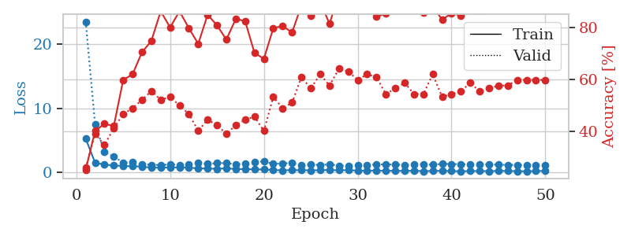
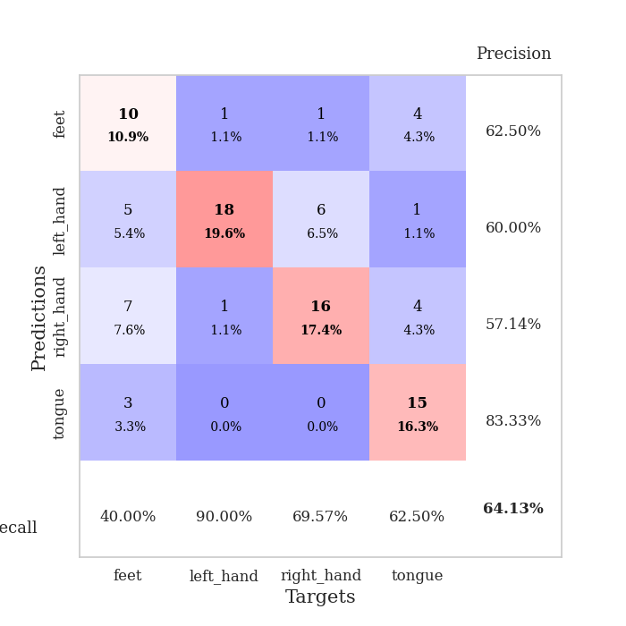
train_loss | valid_loss | train_accuracy | valid_accuracy | dur | train_misclass | valid_misclass
5.2597013764 | 23.514085106 | 0.2527173913 | 0.26086956522 | 0.081498622894 | 25.27173913 | 26.086956522
1.4954523418 | 7.5207692644 | 0.40217391304 | 0.39130434783 | 0.079433679581 | 40.217391304 | 39.130434783
1.2005472235 | 3.1788344902 | 0.42934782609 | 0.34782608696 | 0.079452991486 | 42.934782609 | 34.782608696
1.0719528276 | 2.4222655193 | 0.42119565217 | 0.41304347826 | 0.080166339874 | 42.119565217 | 41.304347826
0.97289758921 | 1.5136613846 | 0.59782608696 | 0.46739130435 | 0.0928606987 | 59.782608696 | 46.739130435
0.93864081217 | 1.5490829841 | 0.61956521739 | 0.48913043478 | 0.081491708755 | 61.956521739 | 48.913043478
0.89208490045 | 1.2786381348 | 0.70380434783 | 0.52173913043 | 0.079582929611 | 70.380434783 | 52.173913043
0.70824609503 | 1.1569574398 | 0.7472826087 | 0.55434782609 | 0.079805850983 | 74.72826087 | 55.434782609
0.73867124708 | 1.1302422648 | 0.86141304348 | 0.52173913043 | 0.079718589783 | 86.141304348 | 52.173913043
0.75209740323 | 1.2094385365 | 0.79891304348 | 0.53260869565 | 0.079482078552 | 79.891304348 | 53.260869565
0.75683811566 | 1.1465695008 | 0.86141304348 | 0.5 | 0.079711198807 | 86.141304348 | 50
0.74428913386 | 1.2692911444 | 0.79619565217 | 0.46739130435 | 0.079827547073 | 79.619565217 | 46.739130435
0.58732279358 | 1.4142659695 | 0.73641304348 | 0.40217391304 | 0.08047580719 | 73.641304348 | 40.217391304
0.60067413812 | 1.2928535161 | 0.84782608696 | 0.44565217391 | 0.080314397812 | 84.782608696 | 44.565217391
0.53784004631 | 1.4348599703 | 0.80706521739 | 0.42391304348 | 0.081163167953 | 80.706521739 | 42.391304348
0.61984359441 | 1.4299038441 | 0.7527173913 | 0.39130434783 | 0.080025672913 | 75.27173913 | 39.130434783
0.50602823755 | 1.2868642341 | 0.83152173913 | 0.42391304348 | 0.080562353134 | 83.152173913 | 42.391304348
0.49666227141 | 1.3083335265 | 0.82336956522 | 0.44565217391 | 0.08150434494 | 82.336956522 | 44.565217391
0.44465707502 | 1.537735711 | 0.70108695652 | 0.45652173913 | 0.079977273941 | 70.108695652 | 45.652173913
0.43137814688 | 1.7369185738 | 0.67934782609 | 0.40217391304 | 0.07989692688 | 67.934782609 | 40.217391304
0.35486184773 | 1.3013296438 | 0.79619565217 | 0.53260869565 | 0.079942941666 | 79.619565217 | 53.260869565
0.3063030975 | 1.4032421268 | 0.80434782609 | 0.48913043478 | 0.082088708878 | 80.434782609 | 48.913043478
0.33259619384 | 1.4423564828 | 0.77989130435 | 0.51086956522 | 0.078916549683 | 77.989130435 | 51.086956522
0.34169951178 | 1.0586445591 | 0.88315217391 | 0.60869565217 | 0.078760385513 | 88.315217391 | 60.869565217
0.28978823644 | 1.2452559938 | 0.84510869565 | 0.5652173913 | 0.07900929451 | 84.510869565 | 56.52173913
0.33251109379 | 1.1297825679 | 0.89673913043 | 0.61956521739 | 0.079013586044 | 89.673913043 | 61.956521739
0.34603911962 | 1.2517724089 | 0.8125 | 0.57608695652 | 0.078956842422 | 81.25 | 57.608695652
0.31087055154 | 1.0276902137 | 0.93206521739 | 0.64130434783 | 0.078819513321 | 93.206521739 | 64.130434783
0.33650730712 | 1.0402430192 | 0.92934782609 | 0.63043478261 | 0.084539651871 | 92.934782609 | 63.043478261
0.2522346277 | 1.067861018 | 0.92663043478 | 0.59782608696 | 0.080328226089 | 92.663043478 | 59.782608696
0.23647666107 | 1.1140526015 | 0.89402173913 | 0.61956521739 | 0.080381631851 | 89.402173913 | 61.956521739
0.28041918057 | 1.2344745864 | 0.83967391304 | 0.60869565217 | 0.080941438675 | 83.967391304 | 60.869565217
0.22569195473 | 1.2200778723 | 0.85326086957 | 0.54347826087 | 0.080495119095 | 85.326086957 | 54.347826087
0.23899281673 | 1.1992238034 | 0.88043478261 | 0.5652173913 | 0.083052158356 | 88.043478261 | 56.52173913
0.21447203891 | 1.1363312265 | 0.92391304348 | 0.58695652174 | 0.079022169113 | 92.391304348 | 58.695652174
0.23599653351 | 1.2164890611 | 0.88858695652 | 0.54347826087 | 0.079128742218 | 88.858695652 | 54.347826087
0.18175873031 | 1.2671143439 | 0.85597826087 | 0.54347826087 | 0.079694747925 | 85.597826087 | 54.347826087
0.20273995837 | 1.1712321354 | 0.88043478261 | 0.61956521739 | 0.079095602036 | 88.043478261 | 61.956521739
0.23507462879 | 1.3236172562 | 0.82880434783 | 0.53260869565 | 0.079021692276 | 82.880434783 | 53.260869565
0.18647985533 | 1.2837795797 | 0.85326086957 | 0.54347826087 | 0.079053401947 | 85.326086957 | 54.347826087
0.16467427349 | 1.27945094 | 0.84510869565 | 0.55434782609 | 0.07893204689 | 84.510869565 | 55.434782609
0.18686362753 | 1.2020738073 | 0.88315217391 | 0.58695652174 | 0.078964471817 | 88.315217391 | 58.695652174
0.20005010004 | 1.2555821097 | 0.86413043478 | 0.55434782609 | 0.078929185867 | 86.413043478 | 55.434782609
0.1781239725 | 1.2252115219 | 0.86956521739 | 0.5652173913 | 0.078950166702 | 86.956521739 | 56.52173913
0.2178486022 | 1.1713816498 | 0.90217391304 | 0.57608695652 | 0.079403877258 | 90.217391304 | 57.608695652
0.20471593851 | 1.1613658148 | 0.90489130435 | 0.57608695652 | 0.079545497894 | 90.489130435 | 57.608695652
0.1819868236 | 1.1462774795 | 0.90760869565 | 0.59782608696 | 0.079394817352 | 90.760869565 | 59.782608696
0.15530997644 | 1.1369143984 | 0.91576086957 | 0.59782608696 | 0.081645727158 | 91.576086957 | 59.782608696
0.18871155802 | 1.1306920829 | 0.91576086957 | 0.59782608696 | 0.080929994583 | 91.576086957 | 59.782608696
0.21403559427 | 1.1259319575 | 0.91847826087 | 0.59782608696 | 0.086882352829 | 91.847826087 | 59.782608696

Best Val accuracy is 0.6413043478260869 and Best test accuracy is 0.603448275862069

Sheet4
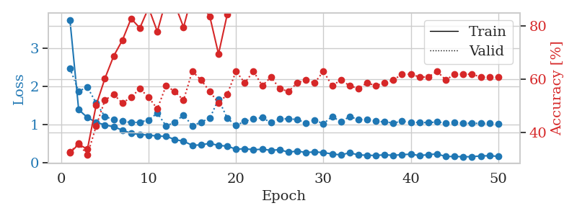
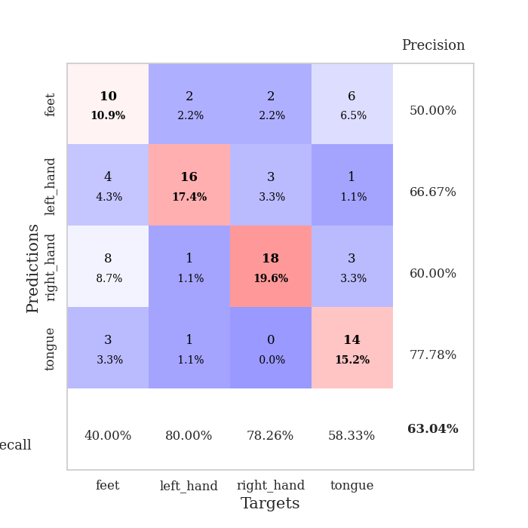
train_loss | valid_loss | train_accuracy | valid_accuracy | dur | train_misclass | valid_misclass
3.7436585841 | 2.4757654874 | 0.32336956522 | 0.32608695652 | 0.084203243256 | 32.336956522 | 32.608695652
1.3934501772 | 1.8764987199 | 0.35597826087 | 0.35869565217 | 0.07990026474 | 35.597826087 | 35.869565217
1.1875350709 | 1.9808515155 | 0.33695652174 | 0.3152173913 | 0.080760955811 | 33.695652174 | 31.52173913
1.0630132167 | 1.568553795 | 0.5027173913 | 0.42391304348 | 0.07923412323 | 50.27173913 | 42.391304348
0.9934009184 | 1.2142406028 | 0.60326086957 | 0.52173913043 | 0.079290866852 | 60.326086957 | 52.173913043
0.94568522598 | 1.1331637579 | 0.6875 | 0.54347826087 | 0.079835414886 | 68.75 | 54.347826087
0.85718796046 | 1.0963470288 | 0.7472826087 | 0.51086956522 | 0.085055828094 | 74.72826087 | 51.086956522
0.77431682011 | 1.0533368043 | 0.82880434783 | 0.53260869565 | 0.079246044159 | 82.880434783 | 53.260869565
0.74342320795 | 1.0655640856 | 0.79347826087 | 0.5652173913 | 0.079544305801 | 79.347826087 | 56.52173913
0.72877777011 | 1.1245633804 | 0.86956521739 | 0.53260869565 | 0.087585449219 | 86.956521739 | 53.260869565
0.70153051226 | 1.3021770508 | 0.77989130435 | 0.48913043478 | 0.08008980751 | 77.989130435 | 48.913043478
0.6959444712 | 0.96884920286 | 0.89945652174 | 0.57608695652 | 0.079921483994 | 89.945652174 | 57.608695652
0.61191212613 | 1.0631728043 | 0.88315217391 | 0.55434782609 | 0.079359292984 | 88.315217391 | 55.434782609
0.56591729366 | 1.2534625012 | 0.79619565217 | 0.52173913043 | 0.079606056213 | 79.619565217 | 52.173913043
0.4608886676 | 0.97145849985 | 0.92119565217 | 0.63043478261 | 0.079953670502 | 92.119565217 | 63.043478261
0.47115335452 | 1.0668182269 | 0.88043478261 | 0.59782608696 | 0.083522081375 | 88.043478261 | 59.782608696
0.51245497038 | 1.1688181499 | 0.83695652174 | 0.55434782609 | 0.085169315338 | 83.695652174 | 55.434782609
0.45621224655 | 1.6632313806 | 0.69565217391 | 0.51086956522 | 0.07945728302 | 69.565217391 | 51.086956522
0.44033760999 | 1.1686292239 | 0.84510869565 | 0.54347826087 | 0.080924272537 | 84.510869565 | 54.347826087
0.35751108825 | 0.97662995432 | 0.96195652174 | 0.63043478261 | 0.079767465591 | 96.195652174 | 63.043478261
0.37172724242 | 1.0914480868 | 0.92663043478 | 0.58695652174 | 0.079099655151 | 92.663043478 | 58.695652174
0.34570339095 | 1.150299496 | 0.93206521739 | 0.63043478261 | 0.07919549942 | 93.206521739 | 63.043478261
0.3582649001 | 1.182587494 | 0.91576086957 | 0.57608695652 | 0.079174280167 | 91.576086957 | 57.608695652
0.32959992698 | 1.0518857396 | 0.95108695652 | 0.60869565217 | 0.079171895981 | 95.108695652 | 60.869565217
0.34720797772 | 1.1465913938 | 0.93206521739 | 0.5652173913 | 0.079217433929 | 93.206521739 | 56.52173913
0.27858606856 | 1.1565163576 | 0.9402173913 | 0.55434782609 | 0.079307794571 | 94.02173913 | 55.434782609
0.31163354056 | 1.1330175115 | 0.9347826087 | 0.58695652174 | 0.079173803329 | 93.47826087 | 58.695652174
0.2705671405 | 1.0463112878 | 0.94293478261 | 0.59782608696 | 0.079233884811 | 94.293478261 | 59.782608696
0.28992251566 | 1.1152312108 | 0.89130434783 | 0.58695652174 | 0.079176664352 | 89.130434783 | 58.695652174
0.26933875158 | 1.0280249598 | 0.95380434783 | 0.63043478261 | 0.08184504509 | 95.380434783 | 63.043478261
0.23573228555 | 1.2131510973 | 0.88315217391 | 0.57608695652 | 0.07923913002 | 88.315217391 | 57.608695652
0.20838682305 | 1.0779734254 | 0.94565217391 | 0.59782608696 | 0.082177877426 | 94.565217391 | 59.782608696
0.26609070372 | 1.2089996804 | 0.91032608696 | 0.57608695652 | 0.080816984177 | 91.032608696 | 57.608695652
0.20909189093 | 1.1383841115 | 0.91304347826 | 0.5652173913 | 0.079924345016 | 91.304347826 | 56.52173913
0.20115746882 | 1.1295430842 | 0.91304347826 | 0.58695652174 | 0.079427242279 | 91.304347826 | 58.695652174
0.19440204342 | 1.0946148388 | 0.91032608696 | 0.57608695652 | 0.079446554184 | 91.032608696 | 57.608695652
0.21324198612 | 1.0710693909 | 0.92391304348 | 0.58695652174 | 0.091641187668 | 92.391304348 | 58.695652174
0.19748551366 | 1.0441797259 | 0.94836956522 | 0.59782608696 | 0.0845246315 | 94.836956522 | 59.782608696
0.21664334996 | 1.0928798953 | 0.93206521739 | 0.61956521739 | 0.080426216125 | 93.206521739 | 61.956521739
0.22798468918 | 1.0614315129 | 0.95108695652 | 0.61956521739 | 0.080036401749 | 95.108695652 | 61.956521739
0.19207016767 | 1.0582313939 | 0.94293478261 | 0.60869565217 | 0.080474615097 | 94.293478261 | 60.869565217
0.21569993266 | 1.0540556959 | 0.9402173913 | 0.60869565217 | 0.082424163818 | 94.02173913 | 60.869565217
0.23570034944 | 1.0695126782 | 0.9347826087 | 0.63043478261 | 0.079246044159 | 93.47826087 | 63.043478261
0.16549329022 | 1.0484510867 | 0.9402173913 | 0.59782608696 | 0.079432010651 | 94.02173913 | 59.782608696
0.16996706002 | 1.0502244117 | 0.9402173913 | 0.61956521739 | 0.079257011414 | 94.02173913 | 61.956521739
0.16039557399 | 1.0414041216 | 0.9402173913 | 0.61956521739 | 0.079176187515 | 94.02173913 | 61.956521739
0.16311493484 | 1.0370115651 | 0.9402173913 | 0.61956521739 | 0.079172134399 | 94.02173913 | 61.956521739
0.18284021885 | 1.035111737 | 0.9402173913 | 0.60869565217 | 0.079122781754 | 94.02173913 | 60.869565217
0.18734590677 | 1.0321170701 | 0.9402173913 | 0.60869565217 | 0.079365491867 | 94.02173913 | 60.869565217
0.17220429363 | 1.0307674097 | 0.9402173913 | 0.60869565217 | 0.079570770264 | 94.02173913 | 60.869565217

Best Val accuracy is 0.6304347826086957 and Best test accuracy is 0.5862068965517241

Sheet5
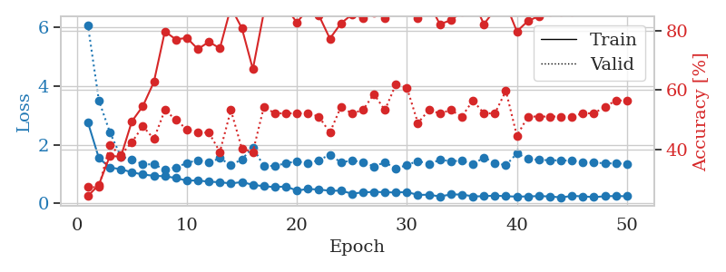
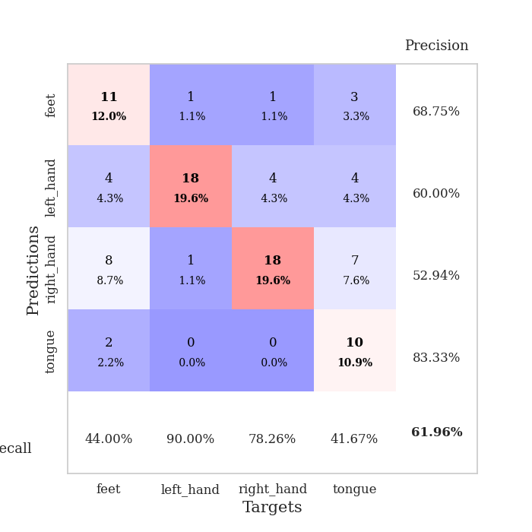
train_loss | valid_loss | train_accuracy | valid_accuracy | dur | train_misclass | valid_misclass
2.7643532805 | 6.0874650375 | 0.24184782609 | 0.27173913043 | 0.082099914551 | 24.184782609 | 27.173913043
1.5422775072 | 3.5089751948 | 0.27989130435 | 0.27173913043 | 0.081032514572 | 27.989130435 | 27.173913043
1.2202599152 | 2.4225020305 | 0.3777173913 | 0.41304347826 | 0.079212188721 | 37.77173913 | 41.304347826
1.1615712669 | 1.5936580482 | 0.375 | 0.38043478261 | 0.079102516174 | 37.5 | 38.043478261
1.0563675139 | 1.4826738886 | 0.49456521739 | 0.42391304348 | 0.080790042877 | 49.456521739 | 42.391304348
0.98080196329 | 1.3325902327 | 0.54619565217 | 0.47826086957 | 0.080285549164 | 54.619565217 | 47.826086957
0.93704983981 | 1.3241889943 | 0.6277173913 | 0.4347826087 | 0.085545301437 | 62.77173913 | 43.47826087
0.92049068472 | 1.1556135779 | 0.79891304348 | 0.53260869565 | 0.083864212036 | 79.891304348 | 53.260869565
0.86202921816 | 1.2222106638 | 0.77173913043 | 0.5 | 0.083123445511 | 77.173913043 | 50
0.77046831406 | 1.3735242253 | 0.77717391304 | 0.46739130435 | 0.082880973816 | 77.717391304 | 46.739130435
0.77847218125 | 1.4729451097 | 0.73913043478 | 0.45652173913 | 0.080352067947 | 73.913043478 | 45.652173913
0.73436873633 | 1.3827272654 | 0.76358695652 | 0.45652173913 | 0.081813097 | 76.358695652 | 45.652173913
0.71817668106 | 1.5403810843 | 0.74184782609 | 0.39130434783 | 0.083606004715 | 74.184782609 | 39.130434783
0.67482855268 | 1.2961925009 | 0.88043478261 | 0.53260869565 | 0.088812589645 | 88.043478261 | 53.260869565
0.72232528355 | 1.5008982679 | 0.8097826087 | 0.40217391304 | 0.081669569016 | 80.97826087 | 40.217391304
0.62930295519 | 1.9008510631 | 0.67119565217 | 0.39130434783 | 0.08372592926 | 67.119565217 | 39.130434783
0.58017666832 | 1.2633118578 | 0.86413043478 | 0.54347826087 | 0.082911252975 | 86.413043478 | 54.347826087
0.55105547672 | 1.2784893824 | 0.89402173913 | 0.52173913043 | 0.08319735527 | 89.402173913 | 52.173913043
0.57359794689 | 1.3615313976 | 0.88043478261 | 0.52173913043 | 0.08388376236 | 88.043478261 | 52.173913043
0.43211264001 | 1.4353439134 | 0.82880434783 | 0.52173913043 | 0.081346035004 | 82.880434783 | 52.173913043
0.48587470599 | 1.3559772735 | 0.875 | 0.52173913043 | 0.087836503983 | 87.5 | 52.173913043
0.46782335639 | 1.4744949444 | 0.85326086957 | 0.51086956522 | 0.082943201065 | 85.326086957 | 51.086956522
0.42632076274 | 1.6534642188 | 0.77445652174 | 0.45652173913 | 0.081570148468 | 77.445652174 | 45.652173913
0.42869995599 | 1.3951645183 | 0.82608695652 | 0.54347826087 | 0.08111166954 | 82.608695652 | 54.347826087
0.32761054875 | 1.4568144757 | 0.85597826087 | 0.52173913043 | 0.082793235779 | 85.597826087 | 52.173913043
0.36970970294 | 1.4059932258 | 0.84510869565 | 0.53260869565 | 0.080137491226 | 84.510869565 | 53.260869565
0.38703406181 | 1.2577417441 | 0.86141304348 | 0.58695652174 | 0.080842971802 | 86.141304348 | 58.695652174
0.37650467391 | 1.3962498126 | 0.84510869565 | 0.53260869565 | 0.080802440643 | 84.510869565 | 53.260869565
0.36580363078 | 1.1821323685 | 0.91847826087 | 0.61956521739 | 0.079400777817 | 91.847826087 | 61.956521739
0.38369009676 | 1.302534049 | 0.89402173913 | 0.60869565217 | 0.079545974731 | 89.402173913 | 60.869565217
0.28282494228 | 1.4431076335 | 0.84239130435 | 0.48913043478 | 0.079935073853 | 84.239130435 | 48.913043478
0.29170333983 | 1.3423004954 | 0.89402173913 | 0.53260869565 | 0.080008745193 | 89.402173913 | 53.260869565
0.23143535593 | 1.4774741738 | 0.82336956522 | 0.52173913043 | 0.079854011536 | 82.336956522 | 52.173913043
0.29968025179 | 1.440925155 | 0.83695652174 | 0.53260869565 | 0.079921722412 | 83.695652174 | 53.260869565
0.29777428103 | 1.4443725373 | 0.86413043478 | 0.51086956522 | 0.080082416534 | 86.413043478 | 51.086956522
0.23470504226 | 1.3270987531 | 0.90489130435 | 0.5652173913 | 0.079879999161 | 90.489130435 | 56.52173913
0.23838426464 | 1.5615029568 | 0.82336956522 | 0.52173913043 | 0.082340478897 | 82.336956522 | 52.173913043
0.26123221348 | 1.3791838651 | 0.8722826087 | 0.52173913043 | 0.080680608749 | 87.22826087 | 52.173913043
0.23761242272 | 1.2943472629 | 0.89130434783 | 0.59782608696 | 0.083235263824 | 89.130434783 | 59.782608696
0.22705917611 | 1.7027455542 | 0.79891304348 | 0.44565217391 | 0.079533100128 | 79.891304348 | 44.565217391
0.23264732989 | 1.5201222275 | 0.83423913043 | 0.51086956522 | 0.079303741455 | 83.423913043 | 51.086956522
0.24395536178 | 1.4774855012 | 0.85054347826 | 0.51086956522 | 0.079394578934 | 85.054347826 | 51.086956522
0.23228140402 | 1.4695489433 | 0.86413043478 | 0.51086956522 | 0.079450368881 | 86.413043478 | 51.086956522
0.19820207649 | 1.4602924145 | 0.86413043478 | 0.51086956522 | 0.079493522644 | 86.413043478 | 51.086956522
0.24854263145 | 1.4558974582 | 0.86413043478 | 0.51086956522 | 0.079318761826 | 86.413043478 | 51.086956522
0.23640005906 | 1.3964127121 | 0.875 | 0.52173913043 | 0.079155445099 | 87.5 | 52.173913043
0.20740928031 | 1.3864606489 | 0.8777173913 | 0.52173913043 | 0.080839395523 | 87.77173913 | 52.173913043
0.23828335851 | 1.3655485252 | 0.88586956522 | 0.54347826087 | 0.080117702484 | 88.586956522 | 54.347826087
0.24587790911 | 1.3560464356 | 0.88586956522 | 0.5652173913 | 0.08100771904 | 88.586956522 | 56.52173913
0.23764360307 | 1.3490725626 | 0.88858695652 | 0.5652173913 | 0.080398321152 | 88.858695652 | 56.52173913

Best Val accuracy is 0.6195652173913043 and Best test accuracy is 0.5086206896551724

Sheet6
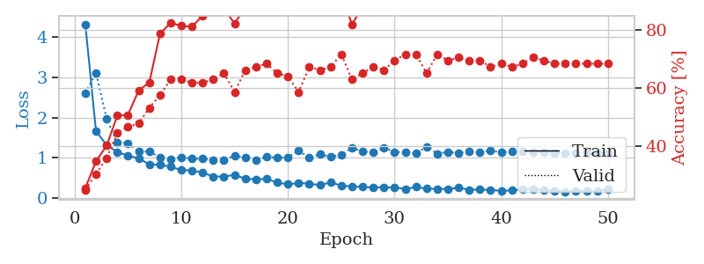
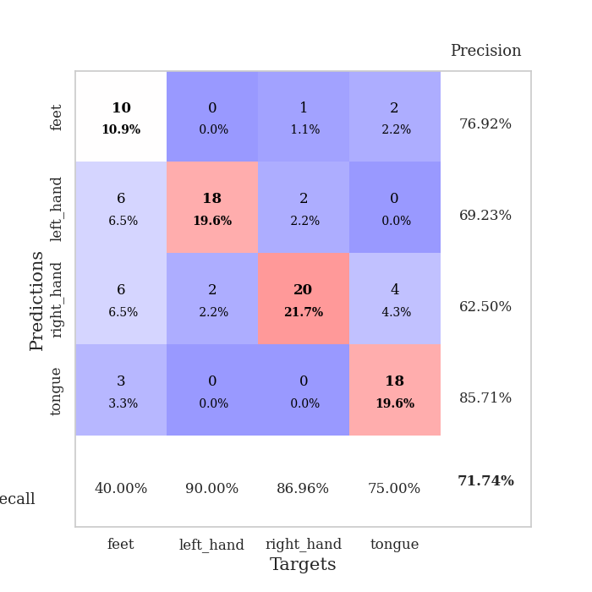
train_loss | valid_loss | train_accuracy | valid_accuracy | dur | train_misclass | valid_misclass
4.3147914721 | 2.6040998645 | 0.25543478261 | 0.25 | 0.082786083221 | 25.543478261 | 25
1.6662129941 | 3.1074528901 | 0.34782608696 | 0.30434782609 | 0.081194400787 | 34.782608696 | 30.434782609
1.3127984716 | 1.9688475339 | 0.40217391304 | 0.35869565217 | 0.08523607254 | 40.217391304 | 35.869565217
1.1422741802 | 1.3801431086 | 0.50543478261 | 0.44565217391 | 0.083555459976 | 50.543478261 | 44.565217391
1.0540747876 | 1.361897878 | 0.50815217391 | 0.46739130435 | 0.079287052155 | 50.815217391 | 46.739130435
0.98298578936 | 1.1545303697 | 0.59239130435 | 0.47826086957 | 0.079608201981 | 59.239130435 | 47.826086957
0.83835815995 | 1.1545091349 | 0.61956521739 | 0.53260869565 | 0.079943418503 | 61.956521739 | 53.260869565
0.82357761653 | 1.0113327581 | 0.78804347826 | 0.57608695652 | 0.080065488815 | 78.804347826 | 57.608695652
0.7789435905 | 0.96402333353 | 0.82608695652 | 0.63043478261 | 0.0796687603 | 82.608695652 | 63.043478261
0.69521365477 | 1.0111999771 | 0.8152173913 | 0.63043478261 | 0.079568386078 | 81.52173913 | 63.043478261
0.68706301114 | 0.97543533989 | 0.8125 | 0.61956521739 | 0.079079866409 | 81.25 | 61.956521739
0.63287384355 | 0.97762415979 | 0.85054347826 | 0.61956521739 | 0.079298496246 | 85.054347826 | 61.956521739
0.53433932558 | 0.93358869397 | 0.86684782609 | 0.63043478261 | 0.080417394638 | 86.684782609 | 63.043478261
0.53548980925 | 0.94733723609 | 0.875 | 0.65217391304 | 0.080541133881 | 87.5 | 65.217391304
0.57670916293 | 1.0578336845 | 0.82336956522 | 0.58695652174 | 0.086606264114 | 82.336956522 | 58.695652174
0.47924830797 | 1.0015813786 | 0.88043478261 | 0.66304347826 | 0.084724664688 | 88.043478261 | 66.304347826
0.46742330492 | 0.93247526884 | 0.91576086957 | 0.67391304348 | 0.081400632858 | 91.576086957 | 67.391304348
0.47584972174 | 1.0217540808 | 0.88315217391 | 0.6847826087 | 0.082284450531 | 88.315217391 | 68.47826087
0.38560830186 | 0.99875008801 | 0.91847826087 | 0.65217391304 | 0.081390142441 | 91.847826087 | 65.217391304
0.34073135257 | 1.0107877384 | 0.91847826087 | 0.64130434783 | 0.08155298233 | 91.847826087 | 64.130434783
0.37603681437 | 1.1794658873 | 0.875 | 0.58695652174 | 0.081504583359 | 87.5 | 58.695652174
0.35764876008 | 0.99968518641 | 0.91032608696 | 0.67391304348 | 0.081437587738 | 91.032608696 | 67.391304348
0.32283566665 | 1.0904290754 | 0.8777173913 | 0.66304347826 | 0.080988407135 | 87.77173913 | 66.304347826
0.38881569388 | 1.0192333823 | 0.92119565217 | 0.67391304348 | 0.081669092178 | 92.119565217 | 67.391304348
0.3100625824 | 1.0711736187 | 0.92663043478 | 0.71739130435 | 0.080795288086 | 92.663043478 | 71.739130435
0.28610864217 | 1.2433169484 | 0.82065217391 | 0.63043478261 | 0.082330226898 | 82.065217391 | 63.043478261
0.2790474098 | 1.157625924 | 0.88043478261 | 0.65217391304 | 0.082011461258 | 88.043478261 | 65.217391304
0.26027724924 | 1.1310320186 | 0.9347826087 | 0.67391304348 | 0.080784797668 | 93.47826087 | 67.391304348
0.26717133107 | 1.2525489097 | 0.86413043478 | 0.66304347826 | 0.081676959991 | 86.413043478 | 66.304347826
0.2613428938 | 1.1447393194 | 0.91847826087 | 0.69565217391 | 0.081858158112 | 91.847826087 | 69.565217391
0.22609962215 | 1.1372229431 | 0.92663043478 | 0.71739130435 | 0.081926345825 | 92.663043478 | 71.739130435
0.27513022267 | 1.1095972554 | 0.92663043478 | 0.71739130435 | 0.082474946976 | 92.663043478 | 71.739130435
0.23422289073 | 1.2715709235 | 0.8777173913 | 0.65217391304 | 0.082010507584 | 87.77173913 | 65.217391304
0.22810969356 | 1.1015362817 | 0.9375 | 0.71739130435 | 0.081283807755 | 93.75 | 71.739130435
0.22588674692 | 1.1476547303 | 0.9347826087 | 0.69565217391 | 0.080855131149 | 93.47826087 | 69.565217391
0.25352334717 | 1.1151338064 | 0.94565217391 | 0.70652173913 | 0.084399700165 | 94.565217391 | 70.652173913
0.20741036275 | 1.1637943076 | 0.92391304348 | 0.69565217391 | 0.083056688309 | 92.391304348 | 69.565217391
0.20974032937 | 1.1346420283 | 0.94293478261 | 0.69565217391 | 0.082165956497 | 94.293478261 | 69.565217391
0.20550394981 | 1.1805334895 | 0.92934782609 | 0.67391304348 | 0.084387540817 | 92.934782609 | 67.391304348
0.17694690597 | 1.1332798289 | 0.94565217391 | 0.6847826087 | 0.08158159256 | 94.565217391 | 68.47826087
0.1923445711 | 1.1570484949 | 0.94565217391 | 0.67391304348 | 0.081198692322 | 94.565217391 | 67.391304348
0.21136444872 | 1.150427541 | 0.95108695652 | 0.6847826087 | 0.082147598267 | 95.108695652 | 68.47826087
0.22971281263 | 1.1294049258 | 0.95380434783 | 0.70652173913 | 0.082169532776 | 95.380434783 | 70.652173913
0.18963270667 | 1.1382932248 | 0.95380434783 | 0.69565217391 | 0.081936597824 | 95.380434783 | 69.565217391
0.18607041207 | 1.1260214578 | 0.95652173913 | 0.6847826087 | 0.082016468048 | 95.652173913 | 68.47826087
0.16038148024 | 1.1130445211 | 0.95923913043 | 0.6847826087 | 0.08423781395 | 95.923913043 | 68.47826087
0.17759223995 | 1.114195834 | 0.95923913043 | 0.6847826087 | 0.08028793335 | 95.923913043 | 68.47826087
0.17059422058 | 1.1159905688 | 0.95923913043 | 0.6847826087 | 0.079550504684 | 95.923913043 | 68.47826087
0.17306510683 | 1.1163878674 | 0.95923913043 | 0.6847826087 | 0.07946228981 | 95.923913043 | 68.47826087
0.21571182541 | 1.1167766219 | 0.95923913043 | 0.6847826087 | 0.079400062561 | 95.923913043 | 68.47826087

Best Val accuracy is 0.717391304347826 and Best test accuracy is 0.6724137931034483

Sheet7
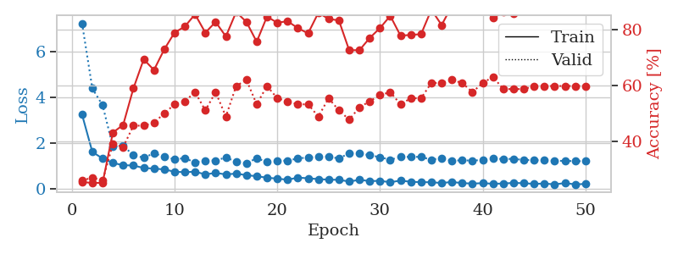
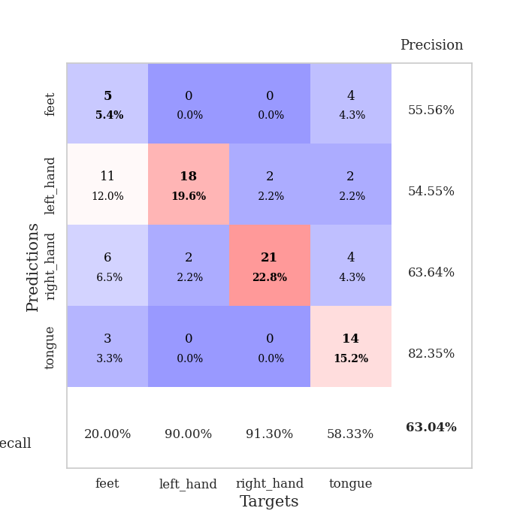
train_loss | valid_loss | train_accuracy | valid_accuracy | dur | train_misclass | valid_misclass
3.2376171558 | 7.2403602185 | 0.25543478261 | 0.26086956522 | 0.083364725113 | 25.543478261 | 26.086956522
1.6037134865 | 4.3844129106 | 0.2527173913 | 0.27173913043 | 0.081536054611 | 25.27173913 | 27.173913043
1.312760151 | 3.6454275276 | 0.2527173913 | 0.26086956522 | 0.081849098206 | 25.27173913 | 26.086956522
1.1206959305 | 1.8389235839 | 0.43206521739 | 0.39130434783 | 0.081696748734 | 43.206521739 | 39.130434783
1.0188037027 | 1.8728744154 | 0.45923913043 | 0.38043478261 | 0.081826448441 | 45.923913043 | 38.043478261
1.0081059699 | 1.4573497772 | 0.58967391304 | 0.45652173913 | 0.08155632019 | 58.967391304 | 45.652173913
0.89695625979 | 1.3489566575 | 0.69293478261 | 0.45652173913 | 0.081057548523 | 69.293478261 | 45.652173913
0.87167630766 | 1.5407441025 | 0.65489130435 | 0.46739130435 | 0.08083820343 | 65.489130435 | 46.739130435
0.83542097004 | 1.3921264151 | 0.72826086957 | 0.5 | 0.080889463425 | 72.826086957 | 50
0.73382986499 | 1.2825673093 | 0.78804347826 | 0.53260869565 | 0.080881118774 | 78.804347826 | 53.260869565
0.71349018423 | 1.3286287266 | 0.8097826087 | 0.54347826087 | 0.08060336113 | 80.97826087 | 54.347826087
0.73497039468 | 1.140743126 | 0.85326086957 | 0.57608695652 | 0.08101272583 | 85.326086957 | 57.608695652
0.61767685025 | 1.2272163733 | 0.78804347826 | 0.51086956522 | 0.08078122139 | 78.804347826 | 51.086956522
0.68157690245 | 1.2276456149 | 0.82608695652 | 0.57608695652 | 0.081542730331 | 82.608695652 | 57.608695652
0.61642700045 | 1.355674272 | 0.77445652174 | 0.48913043478 | 0.078928470612 | 77.445652174 | 48.913043478
0.65241308705 | 1.1745775964 | 0.86141304348 | 0.59782608696 | 0.081251382828 | 86.141304348 | 59.782608696
0.58212768254 | 1.1089716891 | 0.82608695652 | 0.61956521739 | 0.083784103394 | 82.608695652 | 61.956521739
0.53831503054 | 1.3239534342 | 0.75543478261 | 0.53260869565 | 0.081174612045 | 75.543478261 | 53.260869565
0.47091110958 | 1.1645591959 | 0.84510869565 | 0.59782608696 | 0.079938173294 | 84.510869565 | 59.782608696
0.43234750045 | 1.2090205213 | 0.82336956522 | 0.55434782609 | 0.079496860504 | 82.336956522 | 55.434782609
0.38239303102 | 1.2238090012 | 0.82880434783 | 0.54347826087 | 0.079674005508 | 82.880434783 | 54.347826087
0.4759737156 | 1.3116610335 | 0.80434782609 | 0.53260869565 | 0.079464673996 | 80.434782609 | 53.260869565
0.4470411403 | 1.3638892511 | 0.78532608696 | 0.53260869565 | 0.079530954361 | 78.532608696 | 53.260869565
0.41040327238 | 1.3839335986 | 0.85869565217 | 0.48913043478 | 0.079693555832 | 85.869565217 | 48.913043478
0.38665930862 | 1.4038471916 | 0.83695652174 | 0.55434782609 | 0.0794672966 | 83.695652174 | 55.434782609
0.37977811565 | 1.309909367 | 0.83152173913 | 0.51086956522 | 0.086071968079 | 83.152173913 | 51.086956522
0.30484250479 | 1.5490825332 | 0.72554347826 | 0.47826086957 | 0.083658218384 | 72.554347826 | 47.826086957
0.37800660276 | 1.538177003 | 0.72554347826 | 0.52173913043 | 0.081141710281 | 72.554347826 | 52.173913043
0.32416121597 | 1.4581747625 | 0.76902173913 | 0.54347826087 | 0.08092546463 | 76.902173913 | 54.347826087
0.33492853071 | 1.3726551222 | 0.80434782609 | 0.5652173913 | 0.081119298935 | 80.434782609 | 56.52173913
0.27400238067 | 1.2574413263 | 0.84782608696 | 0.57608695652 | 0.080822944641 | 84.782608696 | 57.608695652
0.34554962134 | 1.3836643722 | 0.77717391304 | 0.53260869565 | 0.083575487137 | 77.717391304 | 53.260869565
0.29353561868 | 1.3849314166 | 0.77989130435 | 0.55434782609 | 0.08148431778 | 77.989130435 | 55.434782609
0.27676612268 | 1.3848349115 | 0.78260869565 | 0.55434782609 | 0.082438230515 | 78.260869565 | 55.434782609
0.2732388753 | 1.2590885758 | 0.86956521739 | 0.60869565217 | 0.082205057144 | 86.956521739 | 60.869565217
0.24027044196 | 1.3365750339 | 0.8152173913 | 0.60869565217 | 0.084984302521 | 81.52173913 | 60.869565217
0.28417067035 | 1.2136544274 | 0.88315217391 | 0.61956521739 | 0.083023548126 | 88.315217391 | 61.956521739
0.23654288151 | 1.2364983066 | 0.90489130435 | 0.60869565217 | 0.083627462387 | 90.489130435 | 60.869565217
0.21315023481 | 1.2198482415 | 0.89130434783 | 0.57608695652 | 0.082135438919 | 89.130434783 | 57.608695652
0.23392577664 | 1.2503605304 | 0.88043478261 | 0.60869565217 | 0.081750631332 | 88.043478261 | 60.869565217
0.20570496729 | 1.3053415625 | 0.83967391304 | 0.63043478261 | 0.0817694664 | 83.967391304 | 63.043478261
0.21790890946 | 1.293031226 | 0.86141304348 | 0.58695652174 | 0.081828117371 | 86.141304348 | 58.695652174
0.2437158721 | 1.2969417157 | 0.85597826087 | 0.58695652174 | 0.083769083023 | 85.597826087 | 58.695652174
0.23012211247 | 1.2518939324 | 0.88315217391 | 0.58695652174 | 0.085010051727 | 88.315217391 | 58.695652174
0.20123798773 | 1.2409786686 | 0.88858695652 | 0.59782608696 | 0.079791069031 | 88.858695652 | 59.782608696
0.21630685809 | 1.2306182903 | 0.89945652174 | 0.59782608696 | 0.079502820969 | 89.945652174 | 59.782608696
0.18032100505 | 1.2172132964 | 0.91576086957 | 0.59782608696 | 0.079516887665 | 91.576086957 | 59.782608696
0.23561005586 | 1.2064710182 | 0.92934782609 | 0.59782608696 | 0.079429864883 | 92.934782609 | 59.782608696
0.18075102082 | 1.198993276 | 0.93206521739 | 0.59782608696 | 0.079446077347 | 93.206521739 | 59.782608696
0.19867392435 | 1.1927132192 | 0.93206521739 | 0.59782608696 | 0.079397201538 | 93.206521739 | 59.782608696

Best Val accuracy is 0.6304347826086957 and Best test accuracy is 0.6206896551724138

Sheet8
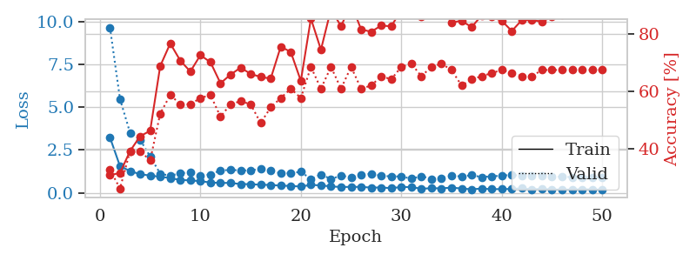
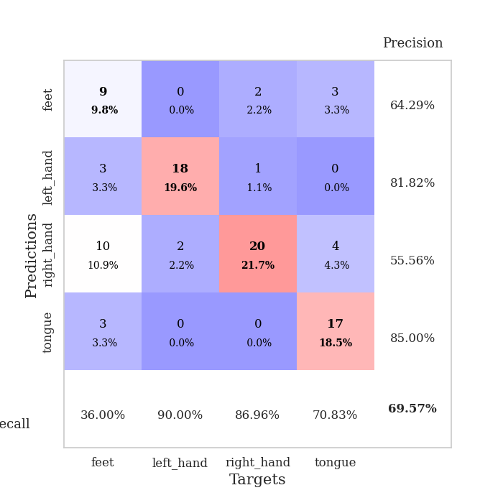
train_loss | valid_loss | train_accuracy | valid_accuracy | dur | train_misclass | valid_misclass
3.2264962818 | 9.6461854188 | 0.30706521739 | 0.32608695652 | 0.085294961929 | 30.706521739 | 32.608695652
1.5467606783 | 5.4640857033 | 0.3152173913 | 0.26086956522 | 0.080983400345 | 31.52173913 | 26.086956522
1.2713777604 | 3.4996334263 | 0.39130434783 | 0.39130434783 | 0.081462860107 | 39.130434783 | 39.130434783
1.0774858827 | 3.0945454058 | 0.44293478261 | 0.39130434783 | 0.083122968674 | 44.293478261 | 39.130434783
1.0065408919 | 2.1174637235 | 0.46195652174 | 0.35869565217 | 0.081571817398 | 46.195652174 | 35.869565217
0.93022605647 | 1.1157081853 | 0.6875 | 0.52173913043 | 0.08184337616 | 68.75 | 52.173913043
0.85917847571 | 0.9868786335 | 0.76630434783 | 0.58695652174 | 0.081948518753 | 76.630434783 | 58.695652174
0.7420567313 | 1.1440867911 | 0.70652173913 | 0.55434782609 | 0.083955526352 | 70.652173913 | 55.434782609
0.7262381393 | 1.1787541897 | 0.66847826087 | 0.55434782609 | 0.080934286118 | 66.847826087 | 55.434782609
0.67112082632 | 1.0165128138 | 0.72554347826 | 0.57608695652 | 0.080530405045 | 72.554347826 | 57.608695652
0.60090571901 | 1.0640381082 | 0.70108695652 | 0.58695652174 | 0.08106637001 | 70.108695652 | 58.695652174
0.57150426766 | 1.3080756042 | 0.6277173913 | 0.51086956522 | 0.080508232117 | 62.77173913 | 51.086956522
0.57578246749 | 1.3279269156 | 0.65760869565 | 0.55434782609 | 0.080567836761 | 65.760869565 | 55.434782609
0.50366687904 | 1.3119099037 | 0.68206521739 | 0.5652173913 | 0.080807924271 | 68.206521739 | 56.52173913
0.5034606379 | 1.2966194049 | 0.66032608696 | 0.55434782609 | 0.080386400223 | 66.032608696 | 55.434782609
0.4627944095 | 1.409100263 | 0.64945652174 | 0.48913043478 | 0.080317258835 | 64.945652174 | 48.913043478
0.45754258594 | 1.2851964909 | 0.64402173913 | 0.54347826087 | 0.080280303955 | 64.402173913 | 54.347826087
0.41143576963 | 1.1309604101 | 0.75543478261 | 0.57608695652 | 0.080461025238 | 75.543478261 | 57.608695652
0.40063614495 | 1.1401759671 | 0.73641304348 | 0.60869565217 | 0.080859899521 | 73.641304348 | 60.869565217
0.35818380701 | 1.2234572379 | 0.63586956522 | 0.57608695652 | 0.08039855957 | 63.586956522 | 57.608695652
0.46064451466 | 0.79898551236 | 0.85326086957 | 0.6847826087 | 0.080523014069 | 85.326086957 | 68.47826087
0.4243228834 | 1.0653880964 | 0.74456521739 | 0.60869565217 | 0.08047580719 | 74.456521739 | 60.869565217
0.37362959592 | 0.80084988604 | 0.88586956522 | 0.6847826087 | 0.080803155899 | 88.586956522 | 68.47826087
0.33026546953 | 1.0008870933 | 0.82608695652 | 0.60869565217 | 0.080439805984 | 82.608695652 | 60.869565217
0.34659246906 | 0.89910356376 | 0.90489130435 | 0.6847826087 | 0.080679416656 | 90.489130435 | 68.47826087
0.3370534214 | 1.0539767949 | 0.8152173913 | 0.60869565217 | 0.080204248428 | 81.52173913 | 60.869565217
0.30372802298 | 1.1057832371 | 0.80706521739 | 0.61956521739 | 0.080621957779 | 80.706521739 | 61.956521739
0.30389139639 | 0.98984269992 | 0.82880434783 | 0.65217391304 | 0.089706897736 | 82.880434783 | 65.217391304
0.27095205726 | 0.95431681301 | 0.82608695652 | 0.64130434783 | 0.080578327179 | 82.608695652 | 64.130434783
0.33209341441 | 0.95154598226 | 0.88315217391 | 0.6847826087 | 0.079344749451 | 88.315217391 | 68.47826087
0.33411336723 | 0.81910514054 | 0.90217391304 | 0.69565217391 | 0.079449415207 | 90.217391304 | 69.565217391
0.23043005428 | 0.96629913994 | 0.85869565217 | 0.65217391304 | 0.079765319824 | 85.869565217 | 65.217391304
0.26824460697 | 0.81293332836 | 0.88586956522 | 0.6847826087 | 0.079494953156 | 88.586956522 | 68.47826087
0.25410779468 | 0.86125595673 | 0.89402173913 | 0.69565217391 | 0.079287528992 | 89.402173913 | 69.565217391
0.30177963525 | 0.98475355687 | 0.83967391304 | 0.67391304348 | 0.079512834549 | 83.967391304 | 67.391304348
0.24589010425 | 0.95401334244 | 0.84510869565 | 0.61956521739 | 0.079627037048 | 84.510869565 | 61.956521739
0.20250317568 | 1.023423226 | 0.82336956522 | 0.64130434783 | 0.079884052277 | 82.336956522 | 64.130434783
0.24242504265 | 0.91373959832 | 0.86413043478 | 0.65217391304 | 0.081798553467 | 86.413043478 | 65.217391304
0.20685240513 | 0.96026356324 | 0.85869565217 | 0.66304347826 | 0.080436944962 | 85.869565217 | 66.304347826
0.21561142316 | 0.99522774634 | 0.84510869565 | 0.67391304348 | 0.080090522766 | 84.510869565 | 67.391304348
0.21883179426 | 1.0488143019 | 0.8097826087 | 0.66304347826 | 0.079423427582 | 80.97826087 | 66.304347826
0.25794191302 | 0.96845918894 | 0.84782608696 | 0.65217391304 | 0.079653263092 | 84.782608696 | 65.217391304
0.19302084232 | 0.98488109008 | 0.84782608696 | 0.65217391304 | 0.07940196991 | 84.782608696 | 65.217391304
0.2309008661 | 0.9833631982 | 0.84239130435 | 0.67391304348 | 0.079365491867 | 84.239130435 | 67.391304348
0.19127439351 | 0.93940326442 | 0.85869565217 | 0.67391304348 | 0.079493284225 | 85.869565217 | 67.391304348
0.18265036364 | 0.92777800301 | 0.86684782609 | 0.67391304348 | 0.079456567764 | 86.684782609 | 67.391304348
0.18806856531 | 0.91410590255 | 0.8722826087 | 0.67391304348 | 0.079530000687 | 87.22826087 | 67.391304348
0.20278353179 | 0.90370088297 | 0.875 | 0.67391304348 | 0.083789348602 | 87.5 | 67.391304348
0.19241122383 | 0.89616184649 | 0.875 | 0.67391304348 | 0.087640523911 | 87.5 | 67.391304348
0.18396563326 | 0.88985079527 | 0.88315217391 | 0.67391304348 | 0.085552215576 | 88.315217391 | 67.391304348

Best Val accuracy is 0.6956521739130435 and Best test accuracy is 0.6982758620689655

Sheet9
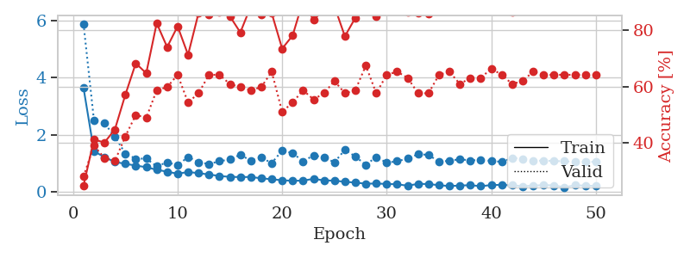
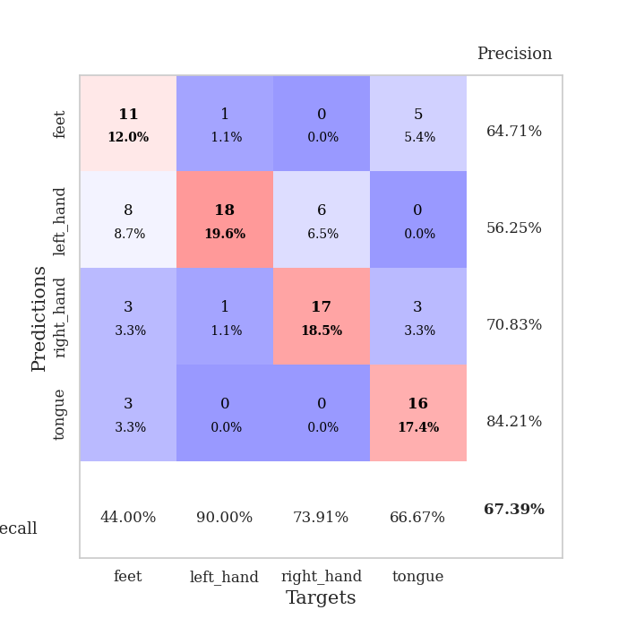
train_loss | valid_loss | train_accuracy | valid_accuracy | dur | train_misclass | valid_misclass
3.648654181 | 5.8982498957 | 0.25 | 0.28260869565 | 0.082622051239 | 25 | 28.260869565
1.4162902003 | 2.5004813516 | 0.41304347826 | 0.39130434783 | 0.081609487534 | 41.304347826 | 39.130434783
1.2089111338 | 2.4002083799 | 0.40217391304 | 0.34782608696 | 0.083083868027 | 40.217391304 | 34.782608696
1.0397954557 | 1.9300476002 | 0.44836956522 | 0.33695652174 | 0.08008646965 | 44.836956522 | 33.695652174
0.97406446675 | 1.3362493049 | 0.57065217391 | 0.42391304348 | 0.080070734024 | 57.065217391 | 42.391304348
0.91266385887 | 1.1532609618 | 0.68206521739 | 0.5 | 0.079193115234 | 68.206521739 | 50
0.85527208059 | 1.157234477 | 0.64673913043 | 0.48913043478 | 0.079598903656 | 64.673913043 | 48.913043478
0.76499962807 | 0.88781958818 | 0.82336956522 | 0.58695652174 | 0.080146789551 | 82.336956522 | 58.695652174
0.69712016634 | 1.0258541962 | 0.73913043478 | 0.59782608696 | 0.081085443497 | 73.913043478 | 59.782608696
0.62555527557 | 0.92422877187 | 0.8125 | 0.64130434783 | 0.081164598465 | 81.25 | 64.130434783
0.68614684628 | 1.2151111883 | 0.71195652174 | 0.54347826087 | 0.079508781433 | 71.195652174 | 54.347826087
0.64571073133 | 1.0272678785 | 0.85869565217 | 0.57608695652 | 0.07967042923 | 85.869565217 | 57.608695652
0.59881260797 | 0.96759719175 | 0.85326086957 | 0.64130434783 | 0.08128285408 | 85.326086957 | 64.130434783
0.5465199455 | 1.0647802482 | 0.86413043478 | 0.64130434783 | 0.080065965652 | 86.413043478 | 64.130434783
0.51442778629 | 1.1285448204 | 0.84782608696 | 0.60869565217 | 0.079260826111 | 84.782608696 | 60.869565217
0.5092191301 | 1.2949466602 | 0.79076086957 | 0.59782608696 | 0.079318761826 | 79.076086957 | 59.782608696
0.51062215217 | 1.0815012662 | 0.88315217391 | 0.58695652174 | 0.079798698425 | 88.315217391 | 58.695652174
0.46408468096 | 1.1936359095 | 0.85326086957 | 0.59782608696 | 0.080940246582 | 85.326086957 | 59.782608696
0.43098943778 | 0.99918046464 | 0.85869565217 | 0.65217391304 | 0.081379175186 | 85.869565217 | 65.217391304
0.39502889631 | 1.4403353385 | 0.73369565217 | 0.51086956522 | 0.080639362335 | 73.369565217 | 51.086956522
0.37757117787 | 1.351893736 | 0.77989130435 | 0.54347826087 | 0.079409122467 | 77.989130435 | 54.347826087
0.38284906875 | 1.0608810731 | 0.90217391304 | 0.58695652174 | 0.082136154175 | 90.217391304 | 58.695652174
0.44554722374 | 1.2717645402 | 0.83423913043 | 0.55434782609 | 0.080879926682 | 83.423913043 | 55.434782609
0.39077392091 | 1.2009242799 | 0.8722826087 | 0.57608695652 | 0.083308458328 | 87.22826087 | 57.608695652
0.38180960067 | 1.0272171575 | 0.88315217391 | 0.61956521739 | 0.079612970352 | 88.315217391 | 61.956521739
0.34163206686 | 1.468238263 | 0.77717391304 | 0.57608695652 | 0.07906126976 | 77.717391304 | 57.608695652
0.31412804256 | 1.2297418739 | 0.84239130435 | 0.58695652174 | 0.07931637764 | 84.239130435 | 58.695652174
0.27412101157 | 0.93896900053 | 0.92119565217 | 0.67391304348 | 0.079323291779 | 92.119565217 | 67.391304348
0.28056326509 | 1.2136736434 | 0.84782608696 | 0.57608695652 | 0.079482316971 | 84.782608696 | 57.608695652
0.26561006871 | 1.0144534033 | 0.9402173913 | 0.64130434783 | 0.07917547226 | 94.02173913 | 64.130434783
0.25432019292 | 1.064252282 | 0.91304347826 | 0.65217391304 | 0.079169988632 | 91.304347826 | 65.217391304
0.2037960333 | 1.1578453753 | 0.86141304348 | 0.63043478261 | 0.079128503799 | 86.141304348 | 63.043478261
0.26941615732 | 1.3108589442 | 0.85869565217 | 0.57608695652 | 0.079103946686 | 85.869565217 | 57.608695652
0.26225927424 | 1.2899729065 | 0.85597826087 | 0.57608695652 | 0.079305648804 | 85.597826087 | 57.608695652
0.22168413938 | 1.0423419709 | 0.92391304348 | 0.64130434783 | 0.079257011414 | 92.391304348 | 64.130434783
0.19124635876 | 1.0839280357 | 0.90217391304 | 0.65217391304 | 0.079537391663 | 90.217391304 | 65.217391304
0.21052872649 | 1.1345259029 | 0.88043478261 | 0.60869565217 | 0.079144477844 | 88.043478261 | 60.869565217
0.22124265685 | 1.0915591976 | 0.89402173913 | 0.63043478261 | 0.080070257187 | 89.402173913 | 63.043478261
0.18754248856 | 1.1121033663 | 0.89673913043 | 0.63043478261 | 0.081280708313 | 89.673913043 | 63.043478261
0.22541500725 | 1.0768828068 | 0.89945652174 | 0.66304347826 | 0.080163002014 | 89.945652174 | 66.304347826
0.23508085894 | 1.0426673099 | 0.91847826087 | 0.64130434783 | 0.079197406769 | 91.847826087 | 64.130434783
0.21819932759 | 1.1780533946 | 0.86141304348 | 0.60869565217 | 0.07919883728 | 86.141304348 | 60.869565217
0.18627255572 | 1.1509218086 | 0.8777173913 | 0.61956521739 | 0.079355716705 | 87.77173913 | 61.956521739
0.20373532241 | 1.0737458053 | 0.90760869565 | 0.65217391304 | 0.079293012619 | 90.760869565 | 65.217391304
0.22689977807 | 1.0891297291 | 0.89945652174 | 0.64130434783 | 0.079392194748 | 89.945652174 | 64.130434783
0.21376245242 | 1.0726436623 | 0.91304347826 | 0.64130434783 | 0.079745054245 | 91.304347826 | 64.130434783
0.14884959016 | 1.0640487451 | 0.91576086957 | 0.64130434783 | 0.080946207047 | 91.576086957 | 64.130434783
0.21756824754 | 1.0453146398 | 0.92663043478 | 0.64130434783 | 0.097324371338 | 92.663043478 | 64.130434783
0.2072496879 | 1.0454578607 | 0.92663043478 | 0.64130434783 | 0.084803819656 | 92.663043478 | 64.130434783
0.1915991593 | 1.0429893266 | 0.92663043478 | 0.64130434783 | 0.08115696907 | 92.663043478 | 64.130434783

Best Val accuracy is 0.6739130434782609 and Best test accuracy is 0.6379310344827587

Sheet10
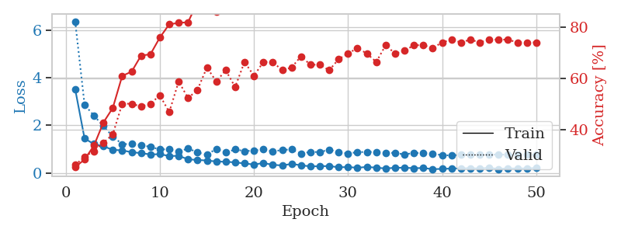
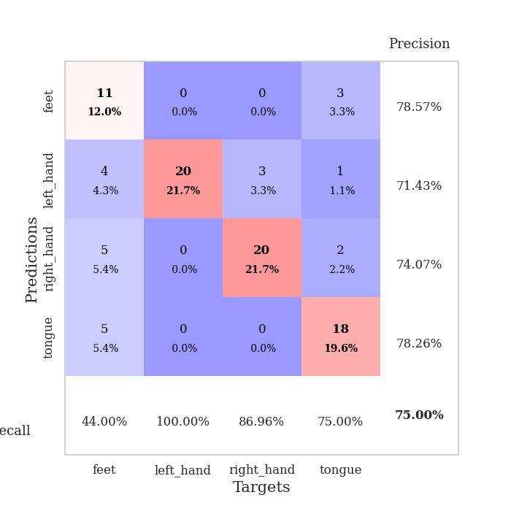
train_loss | valid_loss | train_accuracy | valid_accuracy | dur | train_misclass | valid_misclass
3.5208826169 | 6.3608076054 | 0.2527173913 | 0.26086956522 | 0.084478139877 | 25.27173913 | 26.086956522
1.4492436155 | 2.8646469116 | 0.28260869565 | 0.29347826087 | 0.083855867386 | 28.260869565 | 29.347826087
1.2162223251 | 2.404856091 | 0.33695652174 | 0.3152173913 | 0.07967376709 | 33.695652174 | 31.52173913
1.1223286546 | 1.9724818935 | 0.42663043478 | 0.34782608696 | 0.079632282257 | 42.663043478 | 34.782608696
0.97587749232 | 1.5288932168 | 0.48369565217 | 0.38043478261 | 0.079891204834 | 48.369565217 | 38.043478261
0.95109458592 | 1.2138564327 | 0.60869565217 | 0.5 | 0.081228494644 | 60.869565217 | 50
0.87508070728 | 1.2181889285 | 0.625 | 0.5 | 0.096131563187 | 62.5 | 50
0.83702454619 | 1.1736952533 | 0.6875 | 0.48913043478 | 0.10388541222 | 68.75 | 48.913043478
0.77975685311 | 1.0983797934 | 0.69293478261 | 0.5 | 0.081925868988 | 69.293478261 | 50
0.79330023994 | 0.99108649855 | 0.75815217391 | 0.53260869565 | 0.087110757828 | 75.815217391 | 53.260869565
0.71424513667 | 0.99810529792 | 0.8097826087 | 0.46739130435 | 0.083633422852 | 80.97826087 | 46.739130435
0.72483294036 | 0.89067748319 | 0.8152173913 | 0.58695652174 | 0.08105635643 | 81.52173913 | 58.695652174
0.57573013202 | 1.0360368749 | 0.81793478261 | 0.52173913043 | 0.079855442047 | 81.793478261 | 52.173913043
0.5506109226 | 0.86565119028 | 0.89673913043 | 0.55434782609 | 0.081129074097 | 89.673913043 | 55.434782609
0.52701334072 | 0.76709825319 | 0.92391304348 | 0.64130434783 | 0.086181402206 | 92.391304348 | 64.130434783
0.48510205713 | 1.0188081809 | 0.85869565217 | 0.58695652174 | 0.081087827682 | 85.869565217 | 58.695652174
0.47390221578 | 0.86023038107 | 0.9375 | 0.63043478261 | 0.082612514496 | 93.75 | 63.043478261
0.45003210591 | 0.9901847036 | 0.89945652174 | 0.5652173913 | 0.082196474075 | 89.945652174 | 56.52173913
0.40255872322 | 0.92193972546 | 0.91304347826 | 0.66304347826 | 0.083433389664 | 91.304347826 | 66.304347826
0.35947265184 | 0.94190313764 | 0.94565217391 | 0.60869565217 | 0.081535100937 | 94.565217391 | 60.869565217
0.42033617134 | 1.0008850746 | 0.91847826087 | 0.66304347826 | 0.079779148102 | 91.847826087 | 66.304347826
0.34766202744 | 0.90664521767 | 0.91304347826 | 0.66304347826 | 0.080384492874 | 91.304347826 | 66.304347826
0.31927173099 | 0.96788192314 | 0.90760869565 | 0.63043478261 | 0.083797931671 | 90.760869565 | 63.043478261
0.38493374282 | 0.99236178139 | 0.92119565217 | 0.64130434783 | 0.08367562294 | 92.119565217 | 64.130434783
0.32617928638 | 0.81900622275 | 0.96467391304 | 0.6847826087 | 0.085857868195 | 96.467391304 | 68.47826087
0.28241175057 | 0.88704530053 | 0.92663043478 | 0.65217391304 | 0.093429803848 | 92.663043478 | 65.217391304
0.28671245083 | 0.88111836496 | 0.92663043478 | 0.65217391304 | 0.085237264633 | 92.663043478 | 65.217391304
0.29561809839 | 0.98043792403 | 0.9402173913 | 0.63043478261 | 0.08057641983 | 94.02173913 | 63.043478261
0.24266643984 | 0.88248274378 | 0.96195652174 | 0.67391304348 | 0.080073356628 | 96.195652174 | 67.391304348
0.25261626328 | 0.82175152976 | 0.95923913043 | 0.69565217391 | 0.080180883408 | 95.923913043 | 69.565217391
0.2234112886 | 0.87705462134 | 0.96195652174 | 0.71739130435 | 0.08012342453 | 96.195652174 | 71.739130435
0.25743731338 | 0.8878564109 | 0.97010869565 | 0.69565217391 | 0.079880475998 | 97.010869565 | 69.565217391
0.22750224011 | 0.8844404402 | 0.97282608696 | 0.66304347826 | 0.080200195312 | 97.282608696 | 66.304347826
0.19197808838 | 0.8493508878 | 0.97282608696 | 0.72826086957 | 0.082966804504 | 97.282608696 | 72.826086957
0.22374706634 | 0.84712485645 | 0.96739130435 | 0.69565217391 | 0.082006216049 | 96.739130435 | 69.565217391
0.22437918219 | 0.7806008199 | 0.97826086957 | 0.70652173913 | 0.08113694191 | 97.826086957 | 70.652173913
0.20569215083 | 0.84704576368 | 0.96739130435 | 0.72826086957 | 0.080632448196 | 96.739130435 | 72.826086957
0.21052760598 | 0.83098439807 | 0.97554347826 | 0.72826086957 | 0.080023765564 | 97.554347826 | 72.826086957
0.16596089546 | 0.80389141777 | 0.97826086957 | 0.71739130435 | 0.081599473953 | 97.826086957 | 71.739130435
0.17491870519 | 0.75469894772 | 0.98097826087 | 0.73913043478 | 0.080063819885 | 98.097826087 | 73.913043478
0.19170783039 | 0.73655187306 | 0.98097826087 | 0.75 | 0.079931735992 | 98.097826087 | 75
0.19716901834 | 0.76706608741 | 0.98097826087 | 0.73913043478 | 0.079884052277 | 98.097826087 | 73.913043478
0.20543334495 | 0.77514754948 | 0.98097826087 | 0.75 | 0.07957983017 | 98.097826087 | 75
0.1913643272 | 0.77072626611 | 0.98369565217 | 0.73913043478 | 0.079640865326 | 98.369565217 | 73.913043478
0.2207112092 | 0.77650038574 | 0.98369565217 | 0.75 | 0.08608007431 | 98.369565217 | 75
0.1705107467 | 0.77413615196 | 0.98369565217 | 0.75 | 0.079359531403 | 98.369565217 | 75
0.20143704473 | 0.77140345781 | 0.98369565217 | 0.75 | 0.079696893692 | 98.369565217 | 75
0.18742581133 | 0.76910108587 | 0.98369565217 | 0.73913043478 | 0.079511165619 | 98.369565217 | 73.913043478
0.20019124529 | 0.76763371022 | 0.98369565217 | 0.73913043478 | 0.079670667648 | 98.369565217 | 73.913043478
0.20636286538 | 0.76679619499 | 0.98369565217 | 0.73913043478 | 0.07977437973 | 98.369565217 | 73.913043478

Best Val accuracy is 0.75 and Best test accuracy is 0.7327586206896551

