Sheet
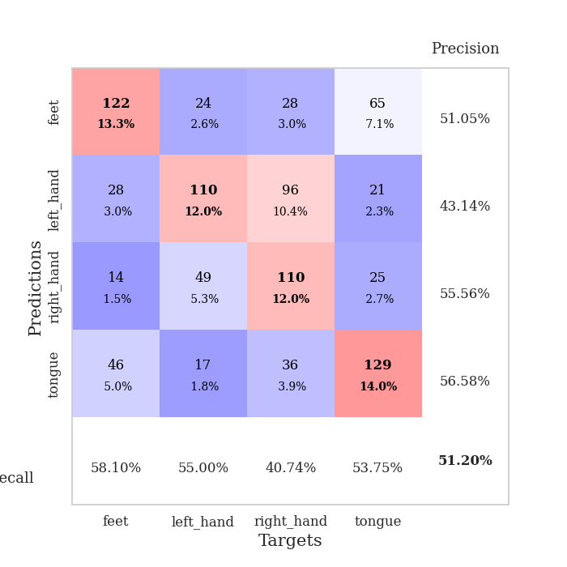
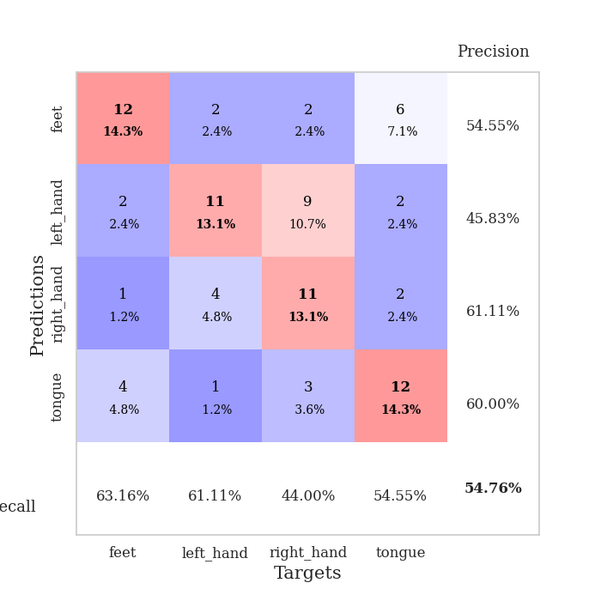
best_val_acc | best_val_los | best_test_acc
0.47826086957 | 1.3414602435 | 0.41379310345
0.52173913043 | 1.1374863956 | 0.43965517241
0.48913043478 | 1.2178948962 | 0.45689655172
0.48913043478 | 1.2366357679 | 0.48275862069
0.52173913043 | 1.2043238878 | 0.43103448276
0.54347826087 | 1.1678017274 | 0.43965517241
0.5 | 1.2289895597 | 0.43103448276
0.5 | 1.2345121581 | 0.45689655172
0.51086956522 | 1.4522415814 | 0.45689655172
0.5652173913 | 1.1642776235 | 0.46551724138

Mean,std Val accuracy is 0.5119565217391304 , 0.026845845728757523 and mean, std test accuracy is 0.4474137931034483 , 0.020094406594307012

Sheet1
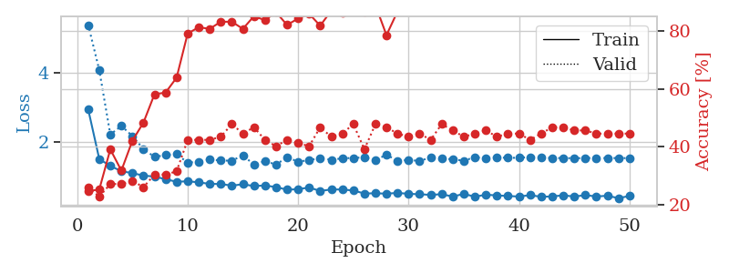
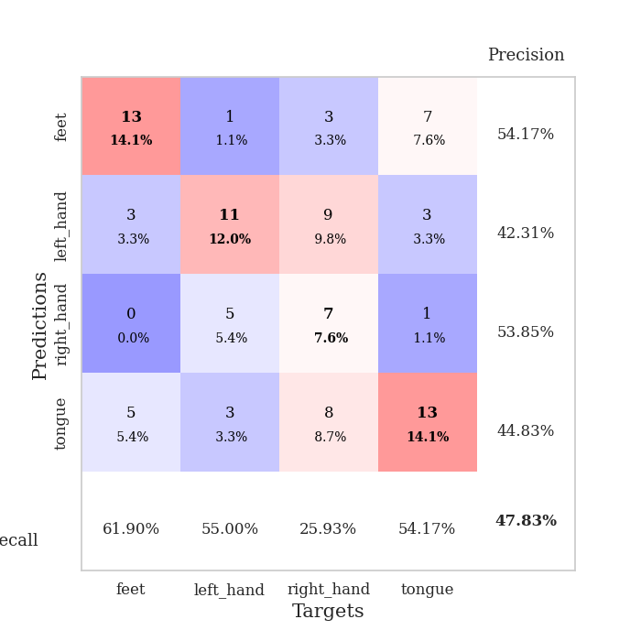
train_loss | valid_loss | train_accuracy | valid_accuracy | dur | train_misclass | valid_misclass
2.9300940762 | 5.3637760618 | 0.2472826087 | 0.26086956522 | 0.082079648972 | 24.72826087 | 26.086956522
1.5019927543 | 4.0650354365 | 0.2527173913 | 0.22826086957 | 0.078042030334 | 25.27173913 | 22.826086957
1.3053157226 | 2.2089531266 | 0.39130434783 | 0.27173913043 | 0.078835010529 | 39.130434783 | 27.173913043
1.1511282092 | 2.4587198029 | 0.31793478261 | 0.27173913043 | 0.078970193863 | 31.793478261 | 27.173913043
1.0967966163 | 2.1644975673 | 0.42119565217 | 0.28260869565 | 0.078968048096 | 42.119565217 | 28.260869565
1.0255446719 | 1.7913150839 | 0.48369565217 | 0.26086956522 | 0.078804016113 | 48.369565217 | 26.086956522
0.99679706148 | 1.562240782 | 0.58152173913 | 0.30434782609 | 0.078857183456 | 58.152173913 | 30.434782609
0.92175820599 | 1.6171143314 | 0.58695652174 | 0.30434782609 | 0.078964471817 | 58.695652174 | 30.434782609
0.84665171478 | 1.6452151537 | 0.63858695652 | 0.3152173913 | 0.079015493393 | 63.858695652 | 31.52173913
0.86228157645 | 1.3973509125 | 0.79076086957 | 0.42391304348 | 0.078951358795 | 79.076086957 | 42.391304348
0.83105894275 | 1.4280096344 | 0.8125 | 0.42391304348 | 0.078959941864 | 81.25 | 42.391304348
0.78639788731 | 1.4877153013 | 0.80706521739 | 0.42391304348 | 0.078946590424 | 80.706521739 | 42.391304348
0.78377954727 | 1.4602430256 | 0.83152173913 | 0.4347826087 | 0.078815460205 | 83.152173913 | 43.47826087
0.73518569184 | 1.4534400313 | 0.83152173913 | 0.47826086957 | 0.07883143425 | 83.152173913 | 47.826086957
0.77635131971 | 1.6096316317 | 0.80706521739 | 0.44565217391 | 0.07891368866 | 80.706521739 | 44.565217391
0.72407283342 | 1.3414602435 | 0.85054347826 | 0.46739130435 | 0.078744649887 | 85.054347826 | 46.739130435
0.74086926942 | 1.4443488588 | 0.83695652174 | 0.42391304348 | 0.078231096268 | 83.695652174 | 42.391304348
0.69390132246 | 1.3431100923 | 0.86413043478 | 0.40217391304 | 0.078818798065 | 86.413043478 | 40.217391304
0.61872149032 | 1.551517357 | 0.82065217391 | 0.42391304348 | 0.078876018524 | 82.065217391 | 42.391304348
0.63328492123 | 1.4278009819 | 0.84239130435 | 0.41304347826 | 0.079156398773 | 84.239130435 | 41.304347826
0.68259519598 | 1.468439211 | 0.85869565217 | 0.40217391304 | 0.081377506256 | 85.869565217 | 40.217391304
0.58116334418 | 1.5303570084 | 0.81793478261 | 0.46739130435 | 0.080045938492 | 81.793478261 | 46.739130435
0.6266976258 | 1.4795623085 | 0.86956521739 | 0.4347826087 | 0.079655885696 | 86.956521739 | 43.47826087
0.62419099134 | 1.5230496189 | 0.86141304348 | 0.44565217391 | 0.079478979111 | 86.141304348 | 44.565217391
0.59607322838 | 1.5337999955 | 0.90217391304 | 0.47826086957 | 0.079735279083 | 90.217391304 | 47.826086957
0.50899834607 | 1.5499879744 | 0.86413043478 | 0.39130434783 | 0.079431772232 | 86.413043478 | 39.130434783
0.51613015843 | 1.4612596916 | 0.88858695652 | 0.47826086957 | 0.079508781433 | 88.858695652 | 47.826086957
0.50495015733 | 1.6329293458 | 0.78532608696 | 0.46739130435 | 0.079480886459 | 78.532608696 | 46.739130435
0.52598726879 | 1.4400045198 | 0.86684782609 | 0.44565217391 | 0.079565286636 | 86.684782609 | 44.565217391
0.50081338831 | 1.4796427022 | 0.89402173913 | 0.4347826087 | 0.0795109272 | 89.402173913 | 43.47826087
0.4876201412 | 1.4438675849 | 0.89402173913 | 0.44565217391 | 0.079501867294 | 89.402173913 | 44.565217391
0.46953032328 | 1.5523865793 | 0.88315217391 | 0.42391304348 | 0.079440116882 | 88.315217391 | 42.391304348
0.48921917832 | 1.5207337867 | 0.89130434783 | 0.47826086957 | 0.079501867294 | 89.130434783 | 47.826086957
0.42040522915 | 1.4935817874 | 0.89945652174 | 0.45652173913 | 0.080805063248 | 89.945652174 | 45.652173913
0.49936311141 | 1.4551345732 | 0.89945652174 | 0.4347826087 | 0.081048965454 | 89.945652174 | 43.47826087
0.41645877841 | 1.5570459625 | 0.8777173913 | 0.44565217391 | 0.080679655075 | 87.77173913 | 44.565217391
0.47476047796 | 1.5181698384 | 0.89402173913 | 0.45652173913 | 0.080816268921 | 89.402173913 | 45.652173913
0.45381282529 | 1.5502073817 | 0.8777173913 | 0.4347826087 | 0.080748081207 | 87.77173913 | 43.47826087
0.43769612196 | 1.5365915765 | 0.90760869565 | 0.44565217391 | 0.081043958664 | 90.760869565 | 44.565217391
0.42188932909 | 1.5383845153 | 0.90489130435 | 0.44565217391 | 0.080695867538 | 90.489130435 | 44.565217391
0.46176252417 | 1.5612616176 | 0.90217391304 | 0.42391304348 | 0.080668449402 | 90.217391304 | 42.391304348
0.41508895094 | 1.5482290776 | 0.91304347826 | 0.44565217391 | 0.080567359924 | 91.304347826 | 44.565217391
0.42420159734 | 1.529369178 | 0.92663043478 | 0.46739130435 | 0.080707073212 | 92.663043478 | 46.739130435
0.4577938383 | 1.531257023 | 0.92663043478 | 0.46739130435 | 0.080645084381 | 92.663043478 | 46.739130435
0.42084483187 | 1.525851711 | 0.92934782609 | 0.45652173913 | 0.080756902695 | 92.934782609 | 45.652173913
0.46156548028 | 1.5310293954 | 0.93206521739 | 0.45652173913 | 0.080844163895 | 93.206521739 | 45.652173913
0.42457977067 | 1.5311216064 | 0.93206521739 | 0.44565217391 | 0.080637454987 | 93.206521739 | 44.565217391
0.44431936093 | 1.5313036234 | 0.93206521739 | 0.44565217391 | 0.081041812897 | 93.206521739 | 44.565217391
0.37543194709 | 1.5305229736 | 0.93206521739 | 0.44565217391 | 0.080945491791 | 93.206521739 | 44.565217391
0.43771900237 | 1.5292905465 | 0.93206521739 | 0.44565217391 | 0.08093380928 | 93.206521739 | 44.565217391

Best Val accuracy is 0.4782608695652174 and Best test accuracy is 0.41379310344827586

Sheet2
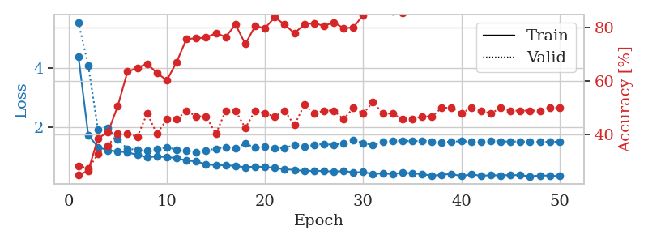
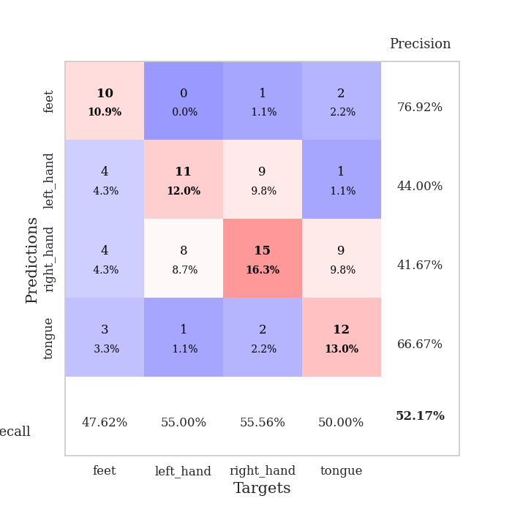
train_loss | valid_loss | train_accuracy | valid_accuracy | dur | train_misclass | valid_misclass
4.4106180772 | 5.5715417447 | 0.2472826087 | 0.28260869565 | 0.082360744476 | 24.72826087 | 28.260869565
1.7270849321 | 4.0997203744 | 0.26358695652 | 0.27173913043 | 0.081203222275 | 26.358695652 | 27.173913043
1.3122437259 | 1.9002473095 | 0.38586956522 | 0.32608695652 | 0.081374168396 | 38.586956522 | 32.608695652
1.2065082167 | 1.9629687071 | 0.40760869565 | 0.35869565217 | 0.081920146942 | 40.760869565 | 35.869565217
1.1682060542 | 1.5702066059 | 0.50543478261 | 0.40217391304 | 0.082045316696 | 50.543478261 | 40.217391304
1.1359882199 | 1.2613083798 | 0.63586956522 | 0.40217391304 | 0.083559751511 | 63.586956522 | 40.217391304
1.0486411711 | 1.2170968626 | 0.64945652174 | 0.39130434783 | 0.082749843597 | 64.945652174 | 39.130434783
0.97072746443 | 1.1906638456 | 0.66576086957 | 0.47826086957 | 0.082742929459 | 66.576086957 | 47.826086957
0.99434039126 | 1.239868729 | 0.63043478261 | 0.40217391304 | 0.083467245102 | 63.043478261 | 40.217391304
0.97336168911 | 1.3133784118 | 0.60326086957 | 0.45652173913 | 0.084495782852 | 60.326086957 | 45.652173913
0.93872855021 | 1.2241881956 | 0.67119565217 | 0.45652173913 | 0.082358598709 | 67.119565217 | 45.652173913
0.85576330838 | 1.1874952886 | 0.75815217391 | 0.48913043478 | 0.081147670746 | 75.815217391 | 48.913043478
0.8293046122 | 1.1374863956 | 0.76086956522 | 0.46739130435 | 0.081138849258 | 76.086956522 | 46.739130435
0.72205368851 | 1.1973830151 | 0.76358695652 | 0.46739130435 | 0.086266756058 | 76.358695652 | 46.739130435
0.70387021873 | 1.2614826016 | 0.77989130435 | 0.40217391304 | 0.086054086685 | 77.989130435 | 40.217391304
0.69618219785 | 1.3066949222 | 0.76630434783 | 0.48913043478 | 0.081023454666 | 76.630434783 | 48.913043478
0.6716294172 | 1.2728896348 | 0.8125 | 0.48913043478 | 0.081105947495 | 81.25 | 48.913043478
0.62717366866 | 1.4388150806 | 0.73913043478 | 0.42391304348 | 0.081933021545 | 73.913043478 | 42.391304348
0.65334122596 | 1.2960332425 | 0.80706521739 | 0.48913043478 | 0.086223840714 | 80.706521739 | 48.913043478
0.63485266463 | 1.3382057781 | 0.79891304348 | 0.47826086957 | 0.081736564636 | 79.891304348 | 47.826086957
0.60808577745 | 1.2877788181 | 0.83967391304 | 0.46739130435 | 0.081624031067 | 83.967391304 | 46.739130435
0.55959518902 | 1.2771647132 | 0.8125 | 0.48913043478 | 0.081107378006 | 81.25 | 48.913043478
0.53879454149 | 1.3910953221 | 0.77989130435 | 0.4347826087 | 0.081016302109 | 77.989130435 | 43.47826087
0.50245106479 | 1.3270378424 | 0.8125 | 0.51086956522 | 0.08024930954 | 81.25 | 51.086956522
0.50808681288 | 1.3857692014 | 0.81793478261 | 0.47826086957 | 0.080807447433 | 81.793478261 | 47.826086957
0.50243279727 | 1.4232154877 | 0.80706521739 | 0.48913043478 | 0.080048799515 | 80.706521739 | 48.913043478
0.47855375513 | 1.3846995364 | 0.82065217391 | 0.48913043478 | 0.080143928528 | 82.065217391 | 48.913043478
0.50111343031 | 1.4531626753 | 0.79891304348 | 0.45652173913 | 0.079950809479 | 79.891304348 | 45.652173913
0.45569049405 | 1.5440104371 | 0.80163043478 | 0.5 | 0.079852819443 | 80.163043478 | 50
0.46185034967 | 1.45353508 | 0.84782608696 | 0.47826086957 | 0.080542087555 | 84.782608696 | 47.826086957
0.40242350037 | 1.3812376364 | 0.86684782609 | 0.52173913043 | 0.12383413315 | 86.684782609 | 52.173913043
0.41608783376 | 1.4865380007 | 0.88586956522 | 0.47826086957 | 0.088701486588 | 88.586956522 | 47.826086957
0.39790209415 | 1.5218986169 | 0.86141304348 | 0.47826086957 | 0.094360351562 | 86.141304348 | 47.826086957
0.44333043111 | 1.5327906712 | 0.85597826087 | 0.45652173913 | 0.10264492035 | 85.597826087 | 45.652173913
0.42226162132 | 1.5114787351 | 0.89673913043 | 0.45652173913 | 0.10412549973 | 89.673913043 | 45.652173913
0.3945699833 | 1.534674349 | 0.88315217391 | 0.46739130435 | 0.090965270996 | 88.315217391 | 46.739130435
0.33422262999 | 1.5027631418 | 0.90760869565 | 0.46739130435 | 0.10291647911 | 90.760869565 | 46.739130435
0.37610374585 | 1.4755794898 | 0.92391304348 | 0.5 | 0.10626244545 | 92.391304348 | 50
0.40003652676 | 1.5051930417 | 0.89945652174 | 0.5 | 0.1007232666 | 89.945652174 | 50
0.32468062769 | 1.5144864943 | 0.90489130435 | 0.47826086957 | 0.10387730598 | 90.489130435 | 47.826086957
0.38557662135 | 1.5074333056 | 0.90489130435 | 0.5 | 0.10177254677 | 90.489130435 | 50
0.33830362558 | 1.5045923876 | 0.89945652174 | 0.48913043478 | 0.10167217255 | 89.945652174 | 48.913043478
0.35654920275 | 1.5151176245 | 0.89945652174 | 0.47826086957 | 0.10295772552 | 89.945652174 | 47.826086957
0.34799544124 | 1.5091359097 | 0.91576086957 | 0.5 | 0.083559274673 | 91.576086957 | 50
0.36177182327 | 1.5068110953 | 0.91576086957 | 0.48913043478 | 0.08438205719 | 91.576086957 | 48.913043478
0.35743873923 | 1.5058980558 | 0.91576086957 | 0.48913043478 | 0.086295843124 | 91.576086957 | 48.913043478
0.31681643135 | 1.5010248423 | 0.91847826087 | 0.48913043478 | 0.083202362061 | 91.847826087 | 48.913043478
0.34906292772 | 1.4992571136 | 0.91847826087 | 0.48913043478 | 0.083589792252 | 91.847826087 | 48.913043478
0.3415385692 | 1.498589184 | 0.92119565217 | 0.5 | 0.082866191864 | 92.119565217 | 50
0.32559947313 | 1.498330251 | 0.92391304348 | 0.5 | 0.083742380142 | 92.391304348 | 50

Best Val accuracy is 0.5217391304347826 and Best test accuracy is 0.4396551724137931

Sheet3
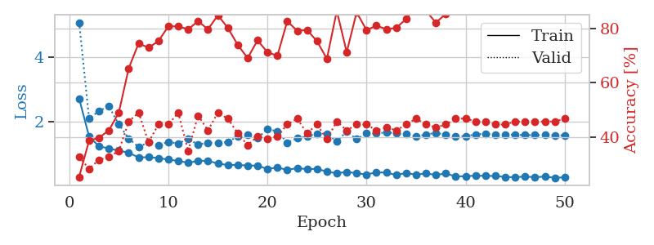
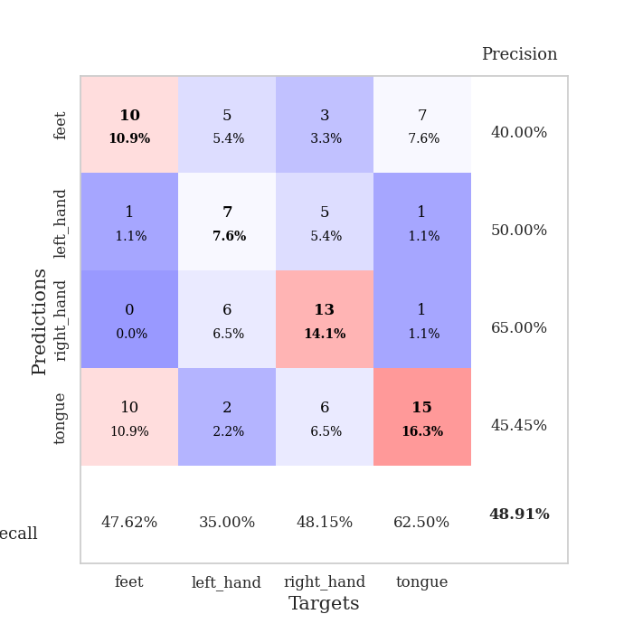
train_loss | valid_loss | train_accuracy | valid_accuracy | dur | train_misclass | valid_misclass
2.7166544873 | 5.0700401742 | 0.2527173913 | 0.32608695652 | 0.08546423912 | 25.27173913 | 32.608695652
1.5432707071 | 2.0950492983 | 0.38586956522 | 0.28260869565 | 0.08283662796 | 38.586956522 | 28.260869565
1.2412287697 | 2.3344328144 | 0.39673913043 | 0.3152173913 | 0.082581281662 | 39.673913043 | 31.52173913
1.1723873719 | 2.4778997017 | 0.42391304348 | 0.32608695652 | 0.082889556885 | 42.391304348 | 32.608695652
1.1059627533 | 1.9175830769 | 0.48913043478 | 0.34782608696 | 0.083974838257 | 48.913043478 | 34.782608696
1.0408669244 | 1.4802328141 | 0.65217391304 | 0.45652173913 | 0.083743333817 | 65.217391304 | 45.652173913
0.8955919302 | 1.2178948962 | 0.74456521739 | 0.48913043478 | 0.083191156387 | 74.456521739 | 48.913043478
0.90249512507 | 1.3620734163 | 0.72826086957 | 0.38043478261 | 0.082733392715 | 72.826086957 | 38.043478261
0.87660899629 | 1.2767197593 | 0.7527173913 | 0.44565217391 | 0.083886623383 | 75.27173913 | 44.565217391
0.82689347215 | 1.3789166756 | 0.80706521739 | 0.44565217391 | 0.083959341049 | 80.706521739 | 44.565217391
0.78976308652 | 1.3223497479 | 0.80706521739 | 0.48913043478 | 0.082819461823 | 80.706521739 | 48.913043478
0.72940547829 | 1.4738364064 | 0.79619565217 | 0.34782608696 | 0.082973241806 | 79.619565217 | 34.782608696
0.79360363924 | 1.2926081238 | 0.82608695652 | 0.47826086957 | 0.082864284515 | 82.608695652 | 47.826086957
0.78927611139 | 1.356300411 | 0.79619565217 | 0.42391304348 | 0.086343050003 | 79.619565217 | 42.391304348
0.70829503044 | 1.3369564388 | 0.84782608696 | 0.48913043478 | 0.083036661148 | 84.782608696 | 48.913043478
0.65964526975 | 1.3728115921 | 0.80163043478 | 0.46739130435 | 0.082366228104 | 80.163043478 | 46.739130435
0.66442606242 | 1.5435905508 | 0.73913043478 | 0.41304347826 | 0.082802295685 | 73.913043478 | 41.304347826
0.64338048774 | 1.5900375688 | 0.6902173913 | 0.36956521739 | 0.082930803299 | 69.02173913 | 36.956521739
0.64202401949 | 1.4952833808 | 0.75543478261 | 0.40217391304 | 0.084684371948 | 75.543478261 | 40.217391304
0.53914796269 | 1.7723650777 | 0.71195652174 | 0.39130434783 | 0.084052801132 | 71.195652174 | 39.130434783
0.58483854908 | 1.7030072212 | 0.69836956522 | 0.40217391304 | 0.083904981613 | 69.836956522 | 40.217391304
0.50827585031 | 1.3533367748 | 0.82608695652 | 0.44565217391 | 0.083590745926 | 82.608695652 | 44.565217391
0.56764133987 | 1.4877172501 | 0.79076086957 | 0.46739130435 | 0.084316015244 | 79.076086957 | 46.739130435
0.53022190281 | 1.5482008509 | 0.79347826087 | 0.41304347826 | 0.083699703217 | 79.347826087 | 41.304347826
0.54493960155 | 1.6300748587 | 0.7527173913 | 0.44565217391 | 0.083453416824 | 75.27173913 | 44.565217391
0.45209057435 | 1.6214707364 | 0.6875 | 0.39130434783 | 0.082838535309 | 68.75 | 39.130434783
0.40781098799 | 1.3921637898 | 0.86413043478 | 0.45652173913 | 0.088118314743 | 86.413043478 | 45.652173913
0.4469592338 | 1.6987745503 | 0.71195652174 | 0.42391304348 | 0.085084676743 | 71.195652174 | 42.391304348
0.40703034854 | 1.4598293304 | 0.85869565217 | 0.44565217391 | 0.083580493927 | 85.869565217 | 44.565217391
0.36746144943 | 1.6384604133 | 0.79347826087 | 0.44565217391 | 0.084216594696 | 79.347826087 | 44.565217391
0.43393230827 | 1.6367536783 | 0.8097826087 | 0.42391304348 | 0.084000349045 | 80.97826087 | 42.391304348
0.42551336599 | 1.6721003574 | 0.79619565217 | 0.4347826087 | 0.083697080612 | 79.619565217 | 43.47826087
0.35084040139 | 1.6399864684 | 0.80163043478 | 0.42391304348 | 0.083125591278 | 80.163043478 | 42.391304348
0.41646805989 | 1.6158472092 | 0.83423913043 | 0.44565217391 | 0.082732915878 | 83.423913043 | 44.565217391
0.35798028824 | 1.5502722004 | 0.88315217391 | 0.46739130435 | 0.082719802856 | 88.315217391 | 46.739130435
0.40468756336 | 1.5981556644 | 0.86413043478 | 0.44565217391 | 0.0825984478 | 86.413043478 | 44.565217391
0.34909999954 | 1.6596208033 | 0.82065217391 | 0.4347826087 | 0.082817554474 | 82.065217391 | 43.47826087
0.40406342823 | 1.5878294914 | 0.85326086957 | 0.44565217391 | 0.082698822021 | 85.326086957 | 44.565217391
0.30393200206 | 1.5485559495 | 0.86956521739 | 0.46739130435 | 0.083184719086 | 86.956521739 | 46.739130435
0.31726855364 | 1.5556584286 | 0.89130434783 | 0.46739130435 | 0.082604646683 | 89.130434783 | 46.739130435
0.33132732238 | 1.6049500548 | 0.8777173913 | 0.45652173913 | 0.082902908325 | 87.77173913 | 45.652173913
0.32478915673 | 1.6329854519 | 0.8722826087 | 0.45652173913 | 0.084087133408 | 87.22826087 | 45.652173913
0.32138802306 | 1.595344813 | 0.86956521739 | 0.44565217391 | 0.083364486694 | 86.956521739 | 44.565217391
0.29214884211 | 1.6046932314 | 0.86956521739 | 0.44565217391 | 0.083142757416 | 86.956521739 | 44.565217391
0.28073617233 | 1.5938014621 | 0.875 | 0.45652173913 | 0.082681655884 | 87.5 | 45.652173913
0.30645455971 | 1.5861779762 | 0.8777173913 | 0.45652173913 | 0.082562923431 | 87.77173913 | 45.652173913
0.28033330259 | 1.5870618665 | 0.88315217391 | 0.45652173913 | 0.083310604095 | 88.315217391 | 45.652173913
0.30534677467 | 1.5862749608 | 0.89402173913 | 0.45652173913 | 0.082969903946 | 89.402173913 | 45.652173913
0.26452662342 | 1.582229381 | 0.89402173913 | 0.45652173913 | 0.083477020264 | 89.402173913 | 45.652173913
0.28321491085 | 1.5777732756 | 0.89673913043 | 0.46739130435 | 0.082993745804 | 89.673913043 | 46.739130435

Best Val accuracy is 0.4891304347826087 and Best test accuracy is 0.45689655172413796

Sheet4
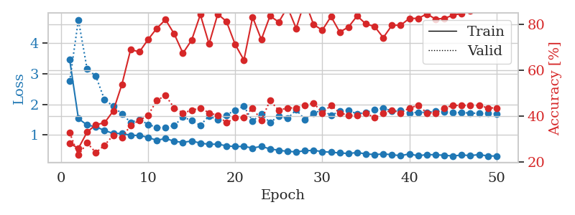
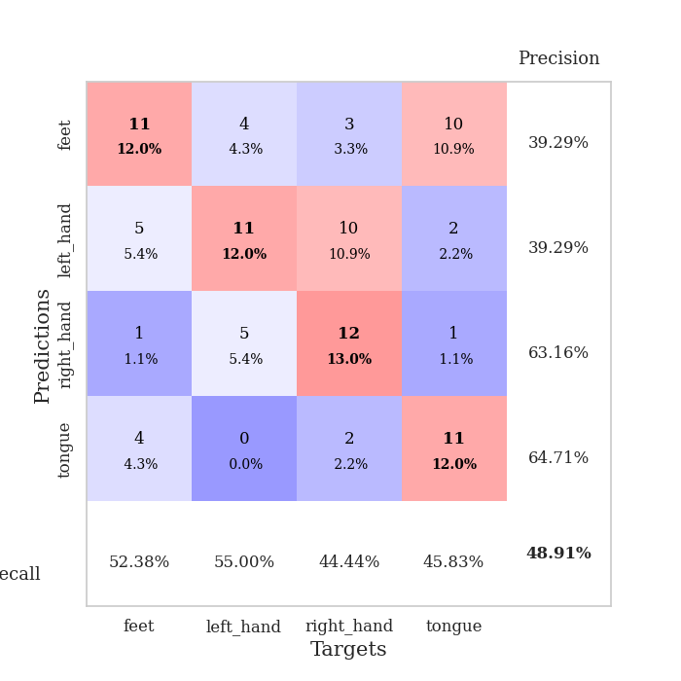
train_loss | valid_loss | train_accuracy | valid_accuracy | dur | train_misclass | valid_misclass
3.4589606524 | 2.7572405027 | 0.27989130435 | 0.32608695652 | 0.086497783661 | 27.989130435 | 32.608695652
1.5385356001 | 4.7652394046 | 0.25815217391 | 0.22826086957 | 0.08269572258 | 25.815217391 | 22.826086957
1.3270545939 | 3.154395487 | 0.32880434783 | 0.28260869565 | 0.083182811737 | 32.880434783 | 28.260869565
1.2707451219 | 2.9284836417 | 0.36141304348 | 0.23913043478 | 0.082476854324 | 36.141304348 | 23.913043478
1.1487320662 | 2.1503841255 | 0.36956521739 | 0.27173913043 | 0.082431554794 | 36.956521739 | 27.173913043
1.0531856133 | 1.9462675945 | 0.42119565217 | 0.3152173913 | 0.082852125168 | 42.119565217 | 31.52173913
1.053146155 | 1.6824225084 | 0.53804347826 | 0.30434782609 | 0.083214998245 | 53.804347826 | 30.434782609
0.99053067746 | 1.4182675144 | 0.6902173913 | 0.35869565217 | 0.08325958252 | 69.02173913 | 35.869565217
0.98773143084 | 1.5082801736 | 0.67934782609 | 0.38043478261 | 0.083559274673 | 67.934782609 | 38.043478261
0.92339629971 | 1.348430929 | 0.73369565217 | 0.40217391304 | 0.08370423317 | 73.369565217 | 40.217391304
0.8257922893 | 1.2482304107 | 0.78260869565 | 0.46739130435 | 0.083841562271 | 78.260869565 | 46.739130435
0.88988107961 | 1.2366357679 | 0.82065217391 | 0.48913043478 | 0.0843064785 | 82.065217391 | 48.913043478
0.79548548097 | 1.309021022 | 0.75815217391 | 0.4347826087 | 0.083943843842 | 75.815217391 | 43.47826087
0.76066087381 | 1.5860318723 | 0.67391304348 | 0.41304347826 | 0.083598613739 | 67.391304348 | 41.304347826
0.80572251652 | 1.4751333724 | 0.73097826087 | 0.42391304348 | 0.083128452301 | 73.097826087 | 42.391304348
0.73690826867 | 1.3168128936 | 0.84239130435 | 0.4347826087 | 0.083082199097 | 84.239130435 | 43.47826087
0.69846849597 | 1.625788839 | 0.71467391304 | 0.41304347826 | 0.082741498947 | 71.467391304 | 41.304347826
0.70347825859 | 1.4930037675 | 0.84510869565 | 0.40217391304 | 0.083077430725 | 84.510869565 | 40.217391304
0.64709647842 | 1.6527965794 | 0.8125 | 0.36956521739 | 0.083795785904 | 81.25 | 36.956521739
0.62475425394 | 1.8144029275 | 0.71195652174 | 0.39130434783 | 0.089012145996 | 71.195652174 | 39.130434783
0.6288213367 | 1.9377647846 | 0.64402173913 | 0.39130434783 | 0.085351228714 | 64.402173913 | 39.130434783
0.57703135454 | 1.4591832938 | 0.83152173913 | 0.4347826087 | 0.082637786865 | 83.152173913 | 43.47826087
0.62877276151 | 1.681373363 | 0.73369565217 | 0.38043478261 | 0.082662343979 | 73.369565217 | 38.043478261
0.54723021258 | 1.4140118568 | 0.83695652174 | 0.46739130435 | 0.083389997482 | 83.695652174 | 46.739130435
0.50367578864 | 1.6141377325 | 0.8097826087 | 0.42391304348 | 0.09441280365 | 80.97826087 | 42.391304348
0.46700734094 | 1.5371925727 | 0.875 | 0.4347826087 | 0.092052459717 | 87.5 | 43.47826087
0.45214014662 | 1.8206240198 | 0.78260869565 | 0.4347826087 | 0.085976600647 | 78.260869565 | 43.47826087
0.48482835034 | 1.5103574058 | 0.90217391304 | 0.44565217391 | 0.083112239838 | 90.217391304 | 44.565217391
0.50136901438 | 1.703320524 | 0.79891304348 | 0.45652173913 | 0.082685947418 | 79.891304348 | 45.652173913
0.45831499929 | 1.8243897894 | 0.77445652174 | 0.41304347826 | 0.08275437355 | 77.445652174 | 41.304347826
0.4389230434 | 1.6372943184 | 0.83423913043 | 0.44565217391 | 0.082476377487 | 83.423913043 | 44.565217391
0.41608481757 | 1.7795996459 | 0.76630434783 | 0.41304347826 | 0.082631826401 | 76.630434783 | 41.304347826
0.39755097226 | 1.8116081124 | 0.78804347826 | 0.40217391304 | 0.082546710968 | 78.804347826 | 40.217391304
0.42921127703 | 1.6870980055 | 0.83695652174 | 0.40217391304 | 0.082777738571 | 83.695652174 | 40.217391304
0.38422238049 | 1.7395521506 | 0.80163043478 | 0.41304347826 | 0.082571744919 | 80.163043478 | 41.304347826
0.36334902242 | 1.8234385978 | 0.79076086957 | 0.39130434783 | 0.083204030991 | 79.076086957 | 39.130434783
0.38178687057 | 1.8866783795 | 0.74184782609 | 0.41304347826 | 0.08445763588 | 74.184782609 | 41.304347826
0.36047043263 | 1.7776221244 | 0.79619565217 | 0.42391304348 | 0.083284378052 | 79.619565217 | 42.391304348
0.32391534487 | 1.8078247931 | 0.79619565217 | 0.41304347826 | 0.095849990845 | 79.619565217 | 41.304347826
0.38620807943 | 1.7196524713 | 0.82608695652 | 0.4347826087 | 0.082823514938 | 82.608695652 | 43.47826087
0.31996131073 | 1.7432437202 | 0.82608695652 | 0.44565217391 | 0.082602024078 | 82.608695652 | 44.565217391
0.36451513288 | 1.7393727925 | 0.84510869565 | 0.41304347826 | 0.082698345184 | 84.510869565 | 41.304347826
0.35354684585 | 1.777038341 | 0.82336956522 | 0.41304347826 | 0.082815885544 | 82.336956522 | 41.304347826
0.34171514699 | 1.7572256119 | 0.82608695652 | 0.4347826087 | 0.082785844803 | 82.608695652 | 43.47826087
0.31429253648 | 1.7330095302 | 0.83967391304 | 0.44565217391 | 0.082700490952 | 83.967391304 | 44.565217391
0.3494783912 | 1.7326514876 | 0.84782608696 | 0.44565217391 | 0.082597970963 | 84.782608696 | 44.565217391
0.33008673528 | 1.7186615726 | 0.85869565217 | 0.44565217391 | 0.082589387894 | 85.869565217 | 44.565217391
0.36088692753 | 1.7089982396 | 0.8722826087 | 0.44565217391 | 0.082571029663 | 87.22826087 | 44.565217391
0.3192046884 | 1.7037310237 | 0.8722826087 | 0.4347826087 | 0.082595348358 | 87.22826087 | 43.47826087
0.31412962533 | 1.6988070789 | 0.8777173913 | 0.4347826087 | 0.082540988922 | 87.77173913 | 43.47826087

Best Val accuracy is 0.4891304347826087 and Best test accuracy is 0.4827586206896552

Sheet5
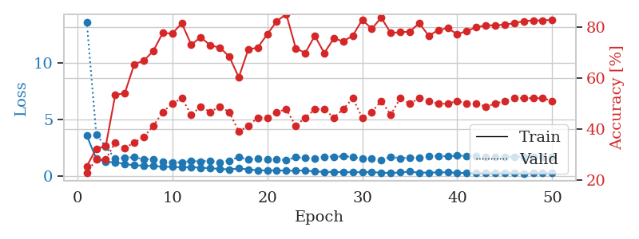
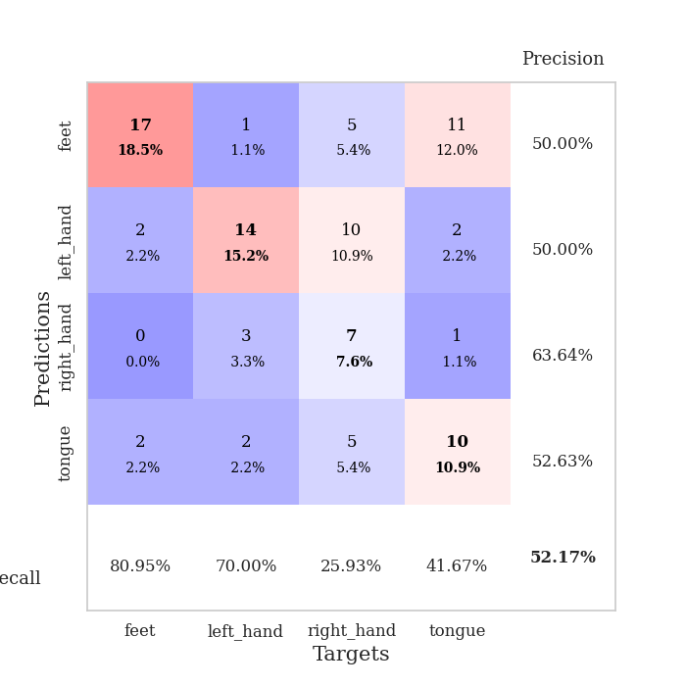
train_loss | valid_loss | train_accuracy | valid_accuracy | dur | train_misclass | valid_misclass
3.5791904201 | 13.61518551 | 0.25543478261 | 0.22826086957 | 0.083652734756 | 25.543478261 | 22.826086957
1.5379222839 | 3.6780583703 | 0.32336956522 | 0.28260869565 | 0.082042455673 | 32.336956522 | 28.260869565
1.2569668759 | 2.5899725375 | 0.33423913043 | 0.28260869565 | 0.082267999649 | 33.423913043 | 28.260869565
1.2243634825 | 1.5195013492 | 0.53532608696 | 0.34782608696 | 0.082306623459 | 53.532608696 | 34.782608696
1.0642831015 | 1.6419569772 | 0.54076086957 | 0.32608695652 | 0.082431793213 | 54.076086957 | 32.608695652
0.95908097858 | 1.6600174904 | 0.65489130435 | 0.34782608696 | 0.082565784454 | 65.489130435 | 34.782608696
0.91542733752 | 1.4887550344 | 0.66847826087 | 0.36956521739 | 0.082468986511 | 66.847826087 | 36.956521739
0.89247987452 | 1.4758308608 | 0.70652173913 | 0.41304347826 | 0.084725856781 | 70.652173913 | 41.304347826
0.82081288747 | 1.2494958225 | 0.77717391304 | 0.46739130435 | 0.082562446594 | 77.717391304 | 46.739130435
0.81282709992 | 1.2043238878 | 0.77445652174 | 0.5 | 0.082533359528 | 77.445652174 | 50
0.77438682577 | 1.2205593379 | 0.8152173913 | 0.52173913043 | 0.082369089127 | 81.52173913 | 52.173913043
0.78923884941 | 1.3360802091 | 0.73097826087 | 0.45652173913 | 0.082273721695 | 73.097826087 | 45.652173913
0.73470239017 | 1.296449682 | 0.76086956522 | 0.48913043478 | 0.082672595978 | 76.086956522 | 48.913043478
0.69934758544 | 1.36004025 | 0.72826086957 | 0.46739130435 | 0.083467006683 | 72.826086957 | 46.739130435
0.63125311292 | 1.2130654376 | 0.72010869565 | 0.48913043478 | 0.082427978516 | 72.010869565 | 48.913043478
0.59008165028 | 1.3633592751 | 0.6847826087 | 0.46739130435 | 0.082955598831 | 68.47826087 | 46.739130435
0.67385227525 | 1.6738158516 | 0.60326086957 | 0.39130434783 | 0.083282709122 | 60.326086957 | 39.130434783
0.59202184237 | 1.4670637794 | 0.71195652174 | 0.41304347826 | 0.083044052124 | 71.195652174 | 41.304347826
0.51751544035 | 1.561208243 | 0.72010869565 | 0.44565217391 | 0.08260679245 | 72.010869565 | 44.565217391
0.49096680076 | 1.5048593438 | 0.77173913043 | 0.44565217391 | 0.08390212059 | 77.173913043 | 44.565217391
0.51972529486 | 1.478362042 | 0.82336956522 | 0.46739130435 | 0.085111379623 | 82.336956522 | 46.739130435
0.46439180296 | 1.3979017061 | 0.85054347826 | 0.47826086957 | 0.08398604393 | 85.054347826 | 47.826086957
0.48903272204 | 1.6750812531 | 0.71739130435 | 0.41304347826 | 0.082565546036 | 71.739130435 | 41.304347826
0.49813598006 | 1.5945461107 | 0.69836956522 | 0.44565217391 | 0.082655668259 | 69.836956522 | 44.565217391
0.40557192396 | 1.5278134346 | 0.76630434783 | 0.47826086957 | 0.08237695694 | 76.630434783 | 47.826086957
0.38007910096 | 1.7160661376 | 0.69836956522 | 0.47826086957 | 0.082491636276 | 69.836956522 | 47.826086957
0.35503883919 | 1.7211122305 | 0.75543478261 | 0.44565217391 | 0.083474159241 | 75.543478261 | 44.565217391
0.35378415947 | 1.7474914841 | 0.74456521739 | 0.47826086957 | 0.08250451088 | 74.456521739 | 47.826086957
0.34346775873 | 1.7032558814 | 0.76630434783 | 0.52173913043 | 0.083145856857 | 76.630434783 | 52.173913043
0.34481113404 | 1.5341333514 | 0.82880434783 | 0.44565217391 | 0.083017587662 | 82.880434783 | 44.565217391
0.36080499641 | 1.5262966726 | 0.79347826087 | 0.46739130435 | 0.084871292114 | 79.347826087 | 46.739130435
0.29661822449 | 1.4331460621 | 0.83695652174 | 0.51086956522 | 0.082799911499 | 83.695652174 | 51.086956522
0.28137042341 | 1.6951524123 | 0.77717391304 | 0.45652173913 | 0.082466125488 | 77.717391304 | 45.652173913
0.31842827603 | 1.5796760528 | 0.77989130435 | 0.52173913043 | 0.082280158997 | 77.989130435 | 52.173913043
0.40087369862 | 1.6274885302 | 0.78260869565 | 0.5 | 0.081983804703 | 78.260869565 | 50
0.2983465138 | 1.634739798 | 0.8152173913 | 0.52173913043 | 0.08167386055 | 81.52173913 | 52.173913043
0.3119675475 | 1.7639795542 | 0.76630434783 | 0.51086956522 | 0.082445859909 | 76.630434783 | 51.086956522
0.31933410822 | 1.754449352 | 0.78804347826 | 0.5 | 0.081762552261 | 78.804347826 | 50
0.33929422239 | 1.7500524262 | 0.79619565217 | 0.5 | 0.081713199615 | 79.619565217 | 50
0.269533698 | 1.8009666412 | 0.77173913043 | 0.51086956522 | 0.08180475235 | 77.173913043 | 51.086956522
0.28585399882 | 1.7896649578 | 0.78532608696 | 0.5 | 0.082770586014 | 78.532608696 | 50
0.27144997405 | 1.7548595045 | 0.79891304348 | 0.5 | 0.081739664078 | 79.891304348 | 50
0.29468688336 | 1.7229222215 | 0.80706521739 | 0.48913043478 | 0.082567930222 | 80.706521739 | 48.913043478
0.27807199923 | 1.7131822265 | 0.80706521739 | 0.5 | 0.082034826279 | 80.706521739 | 50
0.29278859852 | 1.706314061 | 0.8097826087 | 0.51086956522 | 0.082568407059 | 80.97826087 | 51.086956522
0.29181996377 | 1.7108967252 | 0.8152173913 | 0.52173913043 | 0.081918001175 | 81.52173913 | 52.173913043
0.23077151374 | 1.7073481342 | 0.82336956522 | 0.52173913043 | 0.082050085068 | 82.336956522 | 52.173913043
0.28187607747 | 1.6995075526 | 0.82608695652 | 0.52173913043 | 0.082528114319 | 82.608695652 | 52.173913043
0.27118962371 | 1.6928110952 | 0.82608695652 | 0.52173913043 | 0.082162380219 | 82.608695652 | 52.173913043
0.25802348457 | 1.6884211509 | 0.82880434783 | 0.51086956522 | 0.08251786232 | 82.880434783 | 51.086956522

Best Val accuracy is 0.5217391304347826 and Best test accuracy is 0.43103448275862066

Sheet6
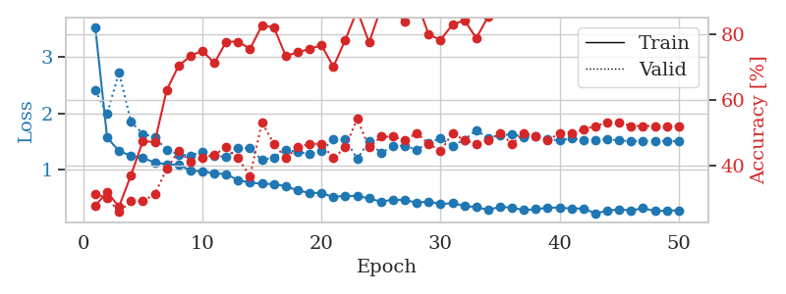
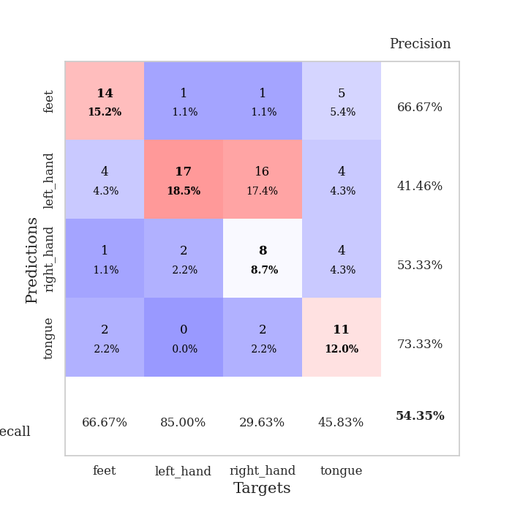
train_loss | valid_loss | train_accuracy | valid_accuracy | dur | train_misclass | valid_misclass
3.538646869 | 2.4069544492 | 0.27989130435 | 0.3152173913 | 0.087056159973 | 27.989130435 | 31.52173913
1.569380527 | 1.9977013909 | 0.32065217391 | 0.30434782609 | 0.086781024933 | 32.065217391 | 30.434782609
1.3305810612 | 2.7279184901 | 0.27717391304 | 0.26086956522 | 0.082552433014 | 27.717391304 | 26.086956522
1.2466509342 | 1.8531900955 | 0.3722826087 | 0.29347826087 | 0.083407878876 | 37.22826087 | 29.347826087
1.2025499914 | 1.6345332343 | 0.47554347826 | 0.29347826087 | 0.082302093506 | 47.554347826 | 29.347826087
1.1282863228 | 1.5772326044 | 0.47282608696 | 0.3152173913 | 0.082344532013 | 47.282608696 | 31.52173913
1.094816607 | 1.3492092516 | 0.63043478261 | 0.39130434783 | 0.082357645035 | 63.043478261 | 39.130434783
1.0835689799 | 1.2704483478 | 0.70380434783 | 0.44565217391 | 0.082905292511 | 70.380434783 | 44.565217391
0.9845901028 | 1.2489719132 | 0.73369565217 | 0.41304347826 | 0.082500934601 | 73.369565217 | 41.304347826
0.96725382494 | 1.316939411 | 0.75 | 0.42391304348 | 0.082407951355 | 75 | 42.391304348
0.93321853099 | 1.2400220373 | 0.71195652174 | 0.4347826087 | 0.082376718521 | 71.195652174 | 43.47826087
0.91852924228 | 1.2275640809 | 0.77717391304 | 0.45652173913 | 0.082416534424 | 77.717391304 | 45.652173913
0.81079987858 | 1.3796739941 | 0.77717391304 | 0.42391304348 | 0.082608938217 | 77.717391304 | 42.391304348
0.76911469128 | 1.3824432881 | 0.75543478261 | 0.36956521739 | 0.082445859909 | 75.543478261 | 36.956521739
0.74794623904 | 1.1678017274 | 0.82608695652 | 0.53260869565 | 0.08332657814 | 82.608695652 | 53.260869565
0.7415972365 | 1.2154646438 | 0.82065217391 | 0.46739130435 | 0.084856033325 | 82.065217391 | 46.739130435
0.70594259578 | 1.3414555944 | 0.73369565217 | 0.42391304348 | 0.082846879959 | 73.369565217 | 42.391304348
0.62833014131 | 1.3207088657 | 0.74456521739 | 0.45652173913 | 0.083258390427 | 74.456521739 | 45.652173913
0.58701474122 | 1.2716178428 | 0.75543478261 | 0.46739130435 | 0.082384347916 | 75.543478261 | 46.739130435
0.5818807107 | 1.3358706262 | 0.76630434783 | 0.46739130435 | 0.082879781723 | 76.630434783 | 46.739130435
0.51072734594 | 1.5365846572 | 0.70108695652 | 0.42391304348 | 0.083201408386 | 70.108695652 | 42.391304348
0.53552835402 | 1.5430123702 | 0.78260869565 | 0.45652173913 | 0.083065271378 | 78.260869565 | 45.652173913
0.52799093659 | 1.1922387844 | 0.8722826087 | 0.54347826087 | 0.082337379456 | 87.22826087 | 54.347826087
0.48769744972 | 1.5017497591 | 0.77445652174 | 0.45652173913 | 0.083518028259 | 77.445652174 | 45.652173913
0.42665747456 | 1.2891292857 | 0.88043478261 | 0.48913043478 | 0.083217859268 | 88.043478261 | 48.913043478
0.46523183649 | 1.4232236769 | 0.8777173913 | 0.48913043478 | 0.084030151367 | 87.77173913 | 48.913043478
0.45783771639 | 1.4223877243 | 0.83695652174 | 0.47826086957 | 0.083519458771 | 83.695652174 | 47.826086957
0.41135272513 | 1.351916194 | 0.89945652174 | 0.5 | 0.082839727402 | 89.945652174 | 50
0.43267082131 | 1.474699917 | 0.79891304348 | 0.46739130435 | 0.08264541626 | 79.891304348 | 46.739130435
0.38499430794 | 1.5567199199 | 0.78260869565 | 0.44565217391 | 0.082680702209 | 78.260869565 | 44.565217391
0.40231931469 | 1.4231454134 | 0.82880434783 | 0.5 | 0.082695007324 | 82.880434783 | 50
0.35499850175 | 1.5320075595 | 0.84239130435 | 0.47826086957 | 0.082576990128 | 84.239130435 | 47.826086957
0.32992346844 | 1.6991226984 | 0.78804347826 | 0.46739130435 | 0.082653999329 | 78.804347826 | 46.739130435
0.28458112446 | 1.5582289488 | 0.85326086957 | 0.47826086957 | 0.083274841309 | 85.326086957 | 47.826086957
0.33712606715 | 1.6098399629 | 0.88586956522 | 0.5 | 0.083157539368 | 88.586956522 | 50
0.32256840299 | 1.6270923355 | 0.88858695652 | 0.46739130435 | 0.082574129105 | 88.858695652 | 46.739130435
0.27922289721 | 1.5794434858 | 0.8777173913 | 0.5 | 0.082911968231 | 87.77173913 | 50
0.2942633969 | 1.598165367 | 0.86956521739 | 0.48913043478 | 0.082784414291 | 86.956521739 | 48.913043478
0.32117555517 | 1.5334699776 | 0.86956521739 | 0.47826086957 | 0.082576274872 | 86.956521739 | 47.826086957
0.3233929947 | 1.522166475 | 0.86684782609 | 0.5 | 0.084708690643 | 86.684782609 | 50
0.30618026723 | 1.5537215782 | 0.86956521739 | 0.5 | 0.08304977417 | 86.956521739 | 50
0.30632214864 | 1.5281202741 | 0.86956521739 | 0.51086956522 | 0.082477807999 | 86.956521739 | 51.086956522
0.22015161164 | 1.5299492763 | 0.88043478261 | 0.52173913043 | 0.086149215698 | 88.043478261 | 52.173913043
0.2666473745 | 1.53813826 | 0.88315217391 | 0.53260869565 | 0.0831823349 | 88.315217391 | 53.260869565
0.2932017512 | 1.5181118457 | 0.89130434783 | 0.53260869565 | 0.083315849304 | 89.130434783 | 53.260869565
0.271723078 | 1.506312842 | 0.89673913043 | 0.52173913043 | 0.082643270493 | 89.673913043 | 52.173913043
0.31312820736 | 1.5087426849 | 0.90217391304 | 0.52173913043 | 0.082685232162 | 90.217391304 | 52.173913043
0.26337455375 | 1.5073057931 | 0.90217391304 | 0.52173913043 | 0.083385467529 | 90.217391304 | 52.173913043
0.26727099069 | 1.5064359903 | 0.90489130435 | 0.52173913043 | 0.082471609116 | 90.489130435 | 52.173913043
0.27591752747 | 1.5049681612 | 0.91032608696 | 0.52173913043 | 0.082811832428 | 91.032608696 | 52.173913043

Best Val accuracy is 0.5434782608695652 and Best test accuracy is 0.4396551724137931

Sheet7
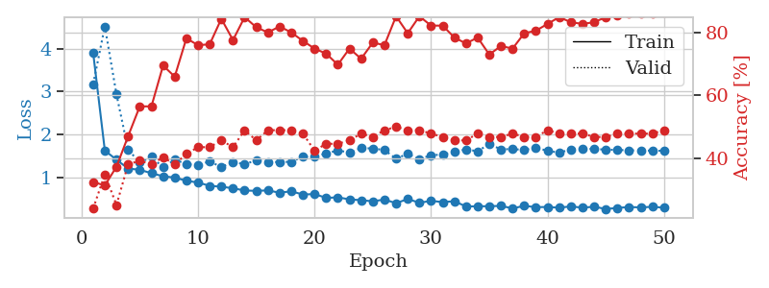
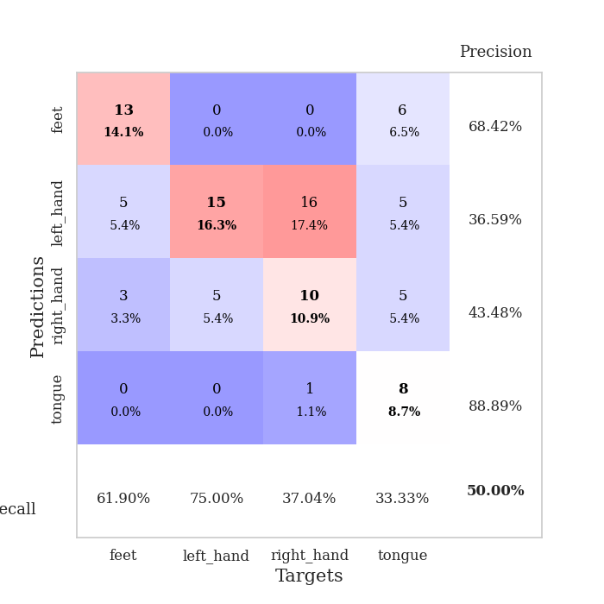
train_loss | valid_loss | train_accuracy | valid_accuracy | dur | train_misclass | valid_misclass
3.8989419833 | 3.1748392271 | 0.32336956522 | 0.23913043478 | 0.084540605545 | 32.336956522 | 23.913043478
1.6226904237 | 4.521326262 | 0.3125 | 0.34782608696 | 0.082367420197 | 31.25 | 34.782608696
1.4061399672 | 2.9325710898 | 0.3722826087 | 0.25 | 0.082813739777 | 37.22826087 | 25
1.2010815403 | 1.6402049842 | 0.47010869565 | 0.38043478261 | 0.082928657532 | 47.010869565 | 38.043478261
1.1720083304 | 1.3409375937 | 0.5652173913 | 0.39130434783 | 0.083089828491 | 56.52173913 | 39.130434783
1.0918769007 | 1.4720039005 | 0.5652173913 | 0.38043478261 | 0.083461284637 | 56.52173913 | 38.043478261
1.0214187529 | 1.2289895597 | 0.69565217391 | 0.40217391304 | 0.084514379501 | 69.565217391 | 40.217391304
0.99002237164 | 1.4064264453 | 0.66032608696 | 0.38043478261 | 0.084275722504 | 66.032608696 | 38.043478261
0.91512699749 | 1.3082706306 | 0.78260869565 | 0.41304347826 | 0.083853244781 | 78.260869565 | 41.304347826
0.87453786187 | 1.275794094 | 0.76086956522 | 0.4347826087 | 0.083701610565 | 76.086956522 | 43.47826087
0.79760639046 | 1.372042573 | 0.76358695652 | 0.4347826087 | 0.085684299469 | 76.358695652 | 43.47826087
0.77654907755 | 1.232264682 | 0.84510869565 | 0.45652173913 | 0.082580327988 | 84.510869565 | 45.652173913
0.7406681789 | 1.358526629 | 0.77717391304 | 0.4347826087 | 0.083300590515 | 77.717391304 | 43.47826087
0.68829894455 | 1.2976428555 | 0.85054347826 | 0.48913043478 | 0.086752653122 | 85.054347826 | 48.913043478
0.67996245104 | 1.3996758306 | 0.81793478261 | 0.45652173913 | 0.084530115128 | 81.793478261 | 45.652173913
0.69111620214 | 1.3468136269 | 0.80163043478 | 0.48913043478 | 0.08319234848 | 80.163043478 | 48.913043478
0.63585261158 | 1.3566732407 | 0.82065217391 | 0.48913043478 | 0.083438158035 | 82.065217391 | 48.913043478
0.67053594408 | 1.3569439961 | 0.80163043478 | 0.48913043478 | 0.083397388458 | 80.163043478 | 48.913043478
0.59320613353 | 1.4790413121 | 0.77445652174 | 0.47826086957 | 0.082858800888 | 77.445652174 | 47.826086957
0.6059084729 | 1.4891684911 | 0.75 | 0.42391304348 | 0.082593679428 | 75 | 42.391304348
0.51493322331 | 1.5484432915 | 0.73369565217 | 0.44565217391 | 0.082487106323 | 73.369565217 | 44.565217391
0.52888168783 | 1.6277274515 | 0.69836956522 | 0.44565217391 | 0.08247089386 | 69.836956522 | 44.565217391
0.48043626029 | 1.5716475767 | 0.75 | 0.45652173913 | 0.082751274109 | 75 | 45.652173913
0.46235329496 | 1.6806244902 | 0.71739130435 | 0.47826086957 | 0.082808256149 | 71.739130435 | 47.826086957
0.43537611935 | 1.6691072143 | 0.76902173913 | 0.46739130435 | 0.083165645599 | 76.902173913 | 46.739130435
0.47699911374 | 1.6340758386 | 0.76086956522 | 0.48913043478 | 0.083191394806 | 76.086956522 | 48.913043478
0.39106041582 | 1.4281905164 | 0.85326086957 | 0.5 | 0.082770347595 | 85.326086957 | 50
0.4904033059 | 1.5489952642 | 0.79891304348 | 0.48913043478 | 0.083592176437 | 79.891304348 | 48.913043478
0.40129221328 | 1.4170335376 | 0.85326086957 | 0.48913043478 | 0.0838971138 | 85.326086957 | 48.913043478
0.44637078241 | 1.5144310257 | 0.82336956522 | 0.47826086957 | 0.085647583008 | 82.336956522 | 47.826086957
0.41725392964 | 1.5259078611 | 0.82336956522 | 0.46739130435 | 0.08247256279 | 82.336956522 | 46.739130435
0.43808971345 | 1.5960141369 | 0.78532608696 | 0.45652173913 | 0.082567930222 | 78.532608696 | 45.652173913
0.31575515931 | 1.6479582216 | 0.76630434783 | 0.45652173913 | 0.083071470261 | 76.630434783 | 45.652173913
0.31849942454 | 1.6051464858 | 0.78532608696 | 0.47826086957 | 0.08327293396 | 78.532608696 | 47.826086957
0.32165799581 | 1.7732735872 | 0.73097826087 | 0.46739130435 | 0.082789421082 | 73.097826087 | 46.739130435
0.32840721504 | 1.648904448 | 0.75815217391 | 0.46739130435 | 0.083580493927 | 75.815217391 | 46.739130435
0.2704269899 | 1.6581017194 | 0.75 | 0.47826086957 | 0.083133220673 | 75 | 47.826086957
0.32944593546 | 1.6329487148 | 0.79891304348 | 0.46739130435 | 0.082577228546 | 79.891304348 | 46.739130435
0.29891177526 | 1.6950190119 | 0.80706521739 | 0.46739130435 | 0.083109140396 | 80.706521739 | 46.739130435
0.30328077823 | 1.6109820138 | 0.82880434783 | 0.48913043478 | 0.08265709877 | 82.880434783 | 48.913043478
0.28642421669 | 1.5766611151 | 0.85054347826 | 0.47826086957 | 0.085427999496 | 85.054347826 | 47.826086957
0.31686945713 | 1.6425236153 | 0.83423913043 | 0.47826086957 | 0.083196163177 | 83.423913043 | 47.826086957
0.2863764345 | 1.6650121316 | 0.82880434783 | 0.47826086957 | 0.082877159119 | 82.880434783 | 47.826086957
0.31028739752 | 1.6582246604 | 0.83423913043 | 0.46739130435 | 0.083536624908 | 83.423913043 | 46.739130435
0.25518101713 | 1.6434107604 | 0.85054347826 | 0.46739130435 | 0.085078954697 | 85.054347826 | 46.739130435
0.28196204454 | 1.6354200166 | 0.85597826087 | 0.47826086957 | 0.083527326584 | 85.597826087 | 47.826086957
0.30144224996 | 1.6274687259 | 0.86141304348 | 0.47826086957 | 0.083599328995 | 86.141304348 | 47.826086957
0.293799745 | 1.6234154338 | 0.86141304348 | 0.47826086957 | 0.084250211716 | 86.141304348 | 47.826086957
0.30713171479 | 1.6190985545 | 0.86141304348 | 0.47826086957 | 0.083310127258 | 86.141304348 | 47.826086957
0.2866841762 | 1.6159021077 | 0.86413043478 | 0.48913043478 | 0.082409143448 | 86.413043478 | 48.913043478

Best Val accuracy is 0.5 and Best test accuracy is 0.43103448275862066

Sheet8
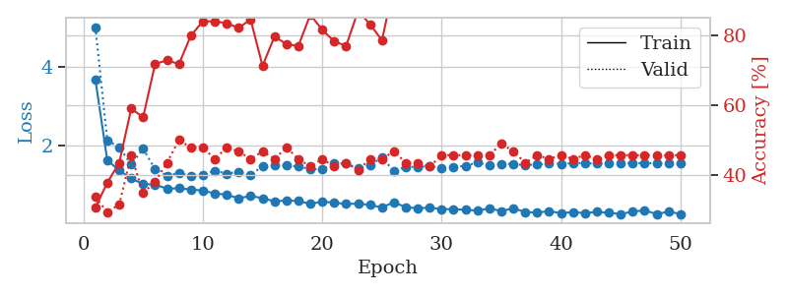
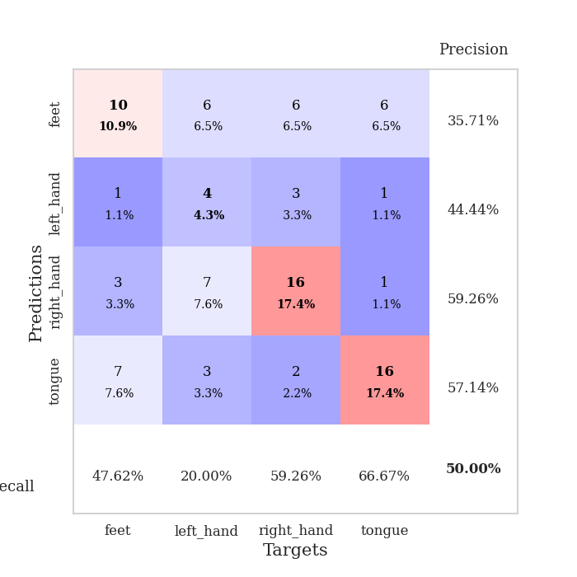
train_loss | valid_loss | train_accuracy | valid_accuracy | dur | train_misclass | valid_misclass
3.6819622413 | 5.0097372843 | 0.30706521739 | 0.33695652174 | 0.084729194641 | 30.706521739 | 33.695652174
1.6329662593 | 2.1378201402 | 0.3777173913 | 0.29347826087 | 0.084346294403 | 37.77173913 | 29.347826087
1.3794772936 | 1.9694482347 | 0.4347826087 | 0.3152173913 | 0.083665370941 | 43.47826087 | 31.52173913
1.1752326955 | 1.5296034243 | 0.58967391304 | 0.45652173913 | 0.083064317703 | 58.967391304 | 45.652173913
1.0351844145 | 1.9258136335 | 0.5652173913 | 0.34782608696 | 0.083890676498 | 56.52173913 | 34.782608696
1.0194254906 | 1.414294502 | 0.71739130435 | 0.38043478261 | 0.083523511887 | 71.739130435 | 38.043478261
0.91732099911 | 1.2450453665 | 0.72826086957 | 0.4347826087 | 0.082658290863 | 72.826086957 | 43.47826087
0.9273758401 | 1.3175587602 | 0.71739130435 | 0.5 | 0.082810640335 | 71.739130435 | 50
0.89592688239 | 1.2345121581 | 0.79891304348 | 0.47826086957 | 0.082519292831 | 79.891304348 | 47.826086957
0.86958316098 | 1.2611365681 | 0.83967391304 | 0.47826086957 | 0.082533836365 | 83.967391304 | 47.826086957
0.79418969543 | 1.3719583231 | 0.83967391304 | 0.44565217391 | 0.082442045212 | 83.967391304 | 44.565217391
0.76796396271 | 1.2967110406 | 0.83423913043 | 0.47826086957 | 0.082416772842 | 83.423913043 | 47.826086957
0.67020701196 | 1.3456588154 | 0.82065217391 | 0.46739130435 | 0.082625389099 | 82.065217391 | 46.739130435
0.73492994645 | 1.2716000443 | 0.84510869565 | 0.44565217391 | 0.082786083221 | 84.510869565 | 44.565217391
0.67495273637 | 1.4798245378 | 0.71195652174 | 0.46739130435 | 0.08562207222 | 71.195652174 | 46.739130435
0.59772635025 | 1.5144874376 | 0.79619565217 | 0.44565217391 | 0.086772441864 | 79.619565217 | 44.565217391
0.61735969652 | 1.5010973941 | 0.77445652174 | 0.47826086957 | 0.083042621613 | 77.445652174 | 47.826086957
0.60383271264 | 1.4825845335 | 0.76902173913 | 0.44565217391 | 0.081892490387 | 76.902173913 | 44.565217391
0.53322950589 | 1.4073404281 | 0.85869565217 | 0.42391304348 | 0.082096576691 | 85.869565217 | 42.391304348
0.58678427727 | 1.4155773339 | 0.8152173913 | 0.44565217391 | 0.081765174866 | 81.52173913 | 44.565217391
0.56490796804 | 1.5487050803 | 0.78260869565 | 0.42391304348 | 0.081768035889 | 78.260869565 | 42.391304348
0.52971747388 | 1.5660181357 | 0.76902173913 | 0.4347826087 | 0.082086086273 | 76.902173913 | 43.47826087
0.53801258103 | 1.4250369383 | 0.86956521739 | 0.41304347826 | 0.081968069077 | 86.956521739 | 41.304347826
0.50585247123 | 1.5097415499 | 0.83152173913 | 0.44565217391 | 0.081359863281 | 83.152173913 | 44.565217391
0.43906056039 | 1.7028940398 | 0.78532608696 | 0.44565217391 | 0.082214832306 | 78.532608696 | 44.565217391
0.57618733463 | 1.3628757052 | 0.94293478261 | 0.46739130435 | 0.081709623337 | 94.293478261 | 46.739130435
0.44486696629 | 1.471883157 | 0.86684782609 | 0.4347826087 | 0.081933259964 | 86.684782609 | 43.47826087
0.42249622941 | 1.470335779 | 0.88586956522 | 0.4347826087 | 0.082959413528 | 88.586956522 | 43.47826087
0.43459299531 | 1.4825422816 | 0.89945652174 | 0.42391304348 | 0.082283496857 | 89.945652174 | 42.391304348
0.40141026481 | 1.4443611995 | 0.89673913043 | 0.45652173913 | 0.081205368042 | 89.673913043 | 45.652173913
0.39555081693 | 1.4587138736 | 0.89673913043 | 0.45652173913 | 0.082096099854 | 89.673913043 | 45.652173913
0.38097592459 | 1.4982658728 | 0.88586956522 | 0.45652173913 | 0.081150770187 | 88.586956522 | 45.652173913
0.36362446294 | 1.5796301624 | 0.88858695652 | 0.45652173913 | 0.08128619194 | 88.858695652 | 45.652173913
0.4172055488 | 1.4990585161 | 0.91304347826 | 0.45652173913 | 0.081899881363 | 91.304347826 | 45.652173913
0.35198252454 | 1.5439615146 | 0.88858695652 | 0.48913043478 | 0.081626653671 | 88.858695652 | 48.913043478
0.41847191362 | 1.5413826445 | 0.89402173913 | 0.46739130435 | 0.08189368248 | 89.402173913 | 46.739130435
0.32827129183 | 1.5108220474 | 0.91576086957 | 0.4347826087 | 0.081979513168 | 91.576086957 | 43.47826087
0.30788694743 | 1.5334743054 | 0.91576086957 | 0.45652173913 | 0.082118749619 | 91.576086957 | 45.652173913
0.35150673662 | 1.551929676 | 0.90489130435 | 0.44565217391 | 0.084602117538 | 90.489130435 | 44.565217391
0.29376528833 | 1.5475920024 | 0.91032608696 | 0.45652173913 | 0.083065509796 | 91.032608696 | 45.652173913
0.32542632779 | 1.5665023482 | 0.91304347826 | 0.44565217391 | 0.083436727524 | 91.304347826 | 44.565217391
0.29646707035 | 1.5622695425 | 0.90489130435 | 0.45652173913 | 0.08367729187 | 90.489130435 | 45.652173913
0.32924330818 | 1.5509659622 | 0.92391304348 | 0.44565217391 | 0.082538843155 | 92.391304348 | 44.565217391
0.30434307683 | 1.5567204278 | 0.92663043478 | 0.45652173913 | 0.081923246384 | 92.663043478 | 45.652173913
0.27506502556 | 1.5621991624 | 0.92663043478 | 0.45652173913 | 0.081917762756 | 92.663043478 | 45.652173913
0.33514117385 | 1.5642188736 | 0.9347826087 | 0.45652173913 | 0.087259292603 | 93.47826087 | 45.652173913
0.36900947535 | 1.5638715599 | 0.9375 | 0.45652173913 | 0.083095788956 | 93.75 | 45.652173913
0.2726957487 | 1.5620797873 | 0.9375 | 0.45652173913 | 0.082269430161 | 93.75 | 45.652173913
0.33448551174 | 1.560634556 | 0.9375 | 0.45652173913 | 0.082895755768 | 93.75 | 45.652173913
0.27770435486 | 1.5591953993 | 0.9375 | 0.45652173913 | 0.082414388657 | 93.75 | 45.652173913

Best Val accuracy is 0.5 and Best test accuracy is 0.45689655172413796

Sheet9
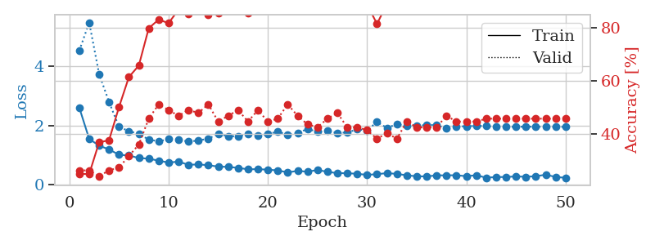
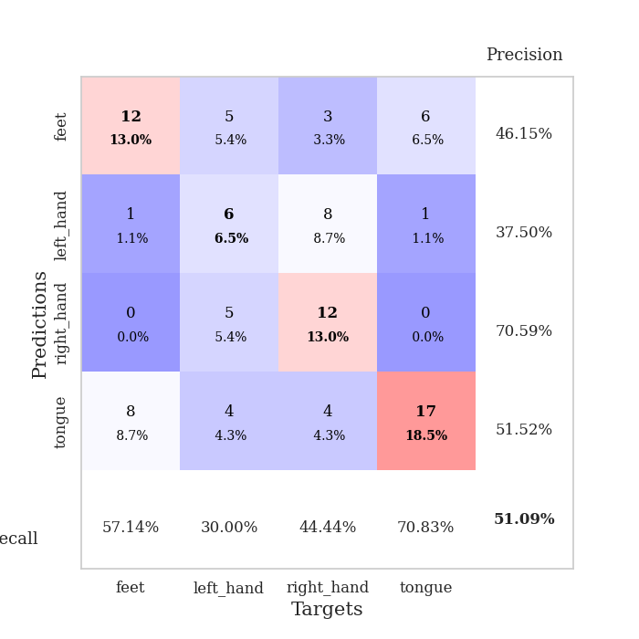
train_loss | valid_loss | train_accuracy | valid_accuracy | dur | train_misclass | valid_misclass
2.6018926216 | 4.5223547065 | 0.2472826087 | 0.26086956522 | 0.08479309082 | 24.72826087 | 26.086956522
1.5441492381 | 5.4769185522 | 0.2472826087 | 0.26086956522 | 0.083050727844 | 24.72826087 | 26.086956522
1.3163963427 | 3.7335145888 | 0.36684782609 | 0.23913043478 | 0.082883358002 | 36.684782609 | 23.913043478
1.1883980554 | 2.7926901423 | 0.375 | 0.26086956522 | 0.082481861115 | 37.5 | 26.086956522
1.0101328855 | 1.9540302235 | 0.5 | 0.27173913043 | 0.08363866806 | 50 | 27.173913043
0.98243431164 | 1.8071991724 | 0.61413043478 | 0.3152173913 | 0.083280563354 | 61.413043478 | 31.52173913
0.9009885166 | 1.7150576374 | 0.65760869565 | 0.35869565217 | 0.082895994186 | 65.760869565 | 35.869565217
0.87608801541 | 1.5215887453 | 0.79891304348 | 0.45652173913 | 0.082848548889 | 79.891304348 | 45.652173913
0.81022279418 | 1.462679863 | 0.83152173913 | 0.51086956522 | 0.083248853683 | 83.152173913 | 51.086956522
0.74467075001 | 1.5349698948 | 0.81793478261 | 0.48913043478 | 0.083160161972 | 81.793478261 | 48.913043478
0.77905115226 | 1.5187639983 | 0.86956521739 | 0.46739130435 | 0.082700252533 | 86.956521739 | 46.739130435
0.66911298555 | 1.4522415814 | 0.85326086957 | 0.48913043478 | 0.082698583603 | 85.326086957 | 48.913043478
0.68378815184 | 1.4911802178 | 0.88858695652 | 0.47826086957 | 0.082905769348 | 88.858695652 | 47.826086957
0.65505947237 | 1.5521876501 | 0.85054347826 | 0.51086956522 | 0.082488536835 | 85.054347826 | 51.086956522
0.61064512056 | 1.7165958519 | 0.85597826087 | 0.44565217391 | 0.083045244217 | 85.597826087 | 44.565217391
0.59892486489 | 1.6330589263 | 0.92663043478 | 0.46739130435 | 0.082795858383 | 92.663043478 | 46.739130435
0.5674994562 | 1.6375406048 | 0.88043478261 | 0.48913043478 | 0.082898616791 | 88.043478261 | 48.913043478
0.51769909004 | 1.6992142874 | 0.85597826087 | 0.44565217391 | 0.08344244957 | 85.597826087 | 44.565217391
0.52388299483 | 1.6471022056 | 0.90489130435 | 0.48913043478 | 0.084560871124 | 90.489130435 | 48.913043478
0.50567404408 | 1.7137681142 | 0.88586956522 | 0.44565217391 | 0.083605051041 | 88.586956522 | 44.565217391
0.48076475444 | 1.7824534748 | 0.875 | 0.45652173913 | 0.085780143738 | 87.5 | 45.652173913
0.41276900665 | 1.6923427996 | 0.92934782609 | 0.51086956522 | 0.086008548737 | 92.934782609 | 51.086956522
0.46590315907 | 1.7398181843 | 0.95108695652 | 0.46739130435 | 0.083485841751 | 95.108695652 | 46.739130435
0.43574835425 | 1.8849326372 | 0.89130434783 | 0.4347826087 | 0.082223415375 | 89.130434783 | 43.47826087
0.49576914894 | 1.7857571477 | 0.89402173913 | 0.42391304348 | 0.08220076561 | 89.402173913 | 42.391304348
0.43371955338 | 1.8154321702 | 0.92119565217 | 0.45652173913 | 0.082575321198 | 92.119565217 | 45.652173913
0.38827730812 | 1.7506897087 | 0.95380434783 | 0.47826086957 | 0.084190130234 | 95.380434783 | 47.826086957
0.38707203094 | 1.7602253841 | 0.95652173913 | 0.42391304348 | 0.082695484161 | 95.652173913 | 42.391304348
0.36545901 | 1.8656277086 | 0.91304347826 | 0.42391304348 | 0.082377910614 | 91.304347826 | 42.391304348
0.330486261 | 1.8313011708 | 0.88858695652 | 0.41304347826 | 0.082456111908 | 88.858695652 | 41.304347826
0.35351561787 | 2.1188401139 | 0.8152173913 | 0.38043478261 | 0.082291841507 | 81.52173913 | 38.043478261
0.38928519643 | 1.9142959273 | 0.89130434783 | 0.40217391304 | 0.082364082336 | 89.130434783 | 40.217391304
0.36249100903 | 2.0463280159 | 0.89130434783 | 0.38043478261 | 0.082378149033 | 89.130434783 | 38.043478261
0.31530393045 | 1.9751122101 | 0.93206521739 | 0.44565217391 | 0.082438707352 | 93.206521739 | 44.565217391
0.28242550272 | 1.9756368658 | 0.90760869565 | 0.42391304348 | 0.082544088364 | 90.760869565 | 42.391304348
0.27781295906 | 2.0210199667 | 0.90217391304 | 0.42391304348 | 0.083440542221 | 90.217391304 | 42.391304348
0.3133076248 | 2.0119082617 | 0.90489130435 | 0.42391304348 | 0.083539247513 | 90.489130435 | 42.391304348
0.31376601804 | 1.8970356817 | 0.95652173913 | 0.46739130435 | 0.082674264908 | 95.652173913 | 46.739130435
0.3183629001 | 1.9637680365 | 0.93206521739 | 0.44565217391 | 0.082714557648 | 93.206521739 | 44.565217391
0.28437037183 | 1.9705887048 | 0.9347826087 | 0.44565217391 | 0.082671403885 | 93.47826087 | 44.565217391
0.31875436688 | 1.9862142542 | 0.9347826087 | 0.44565217391 | 0.082872629166 | 93.47826087 | 44.565217391
0.2335803133 | 1.9766258986 | 0.9347826087 | 0.45652173913 | 0.083654165268 | 93.47826087 | 45.652173913
0.25731277984 | 1.9495404544 | 0.94565217391 | 0.45652173913 | 0.084061384201 | 94.565217391 | 45.652173913
0.25693942801 | 1.9513333207 | 0.94565217391 | 0.45652173913 | 0.083547115326 | 94.565217391 | 45.652173913
0.28007900715 | 1.9532433904 | 0.94293478261 | 0.45652173913 | 0.082671165466 | 94.293478261 | 45.652173913
0.26398086613 | 1.956888344 | 0.9347826087 | 0.45652173913 | 0.08278632164 | 93.47826087 | 45.652173913
0.28505618838 | 1.955121144 | 0.9402173913 | 0.45652173913 | 0.082700252533 | 94.02173913 | 45.652173913
0.33456316752 | 1.9528580489 | 0.9402173913 | 0.45652173913 | 0.083704471588 | 94.02173913 | 45.652173913
0.26066645462 | 1.9519675866 | 0.94565217391 | 0.45652173913 | 0.084403038025 | 94.565217391 | 45.652173913
0.23031495771 | 1.9507688595 | 0.94836956522 | 0.45652173913 | 0.083139657974 | 94.836956522 | 45.652173913

Best Val accuracy is 0.5108695652173914 and Best test accuracy is 0.45689655172413796

Sheet10
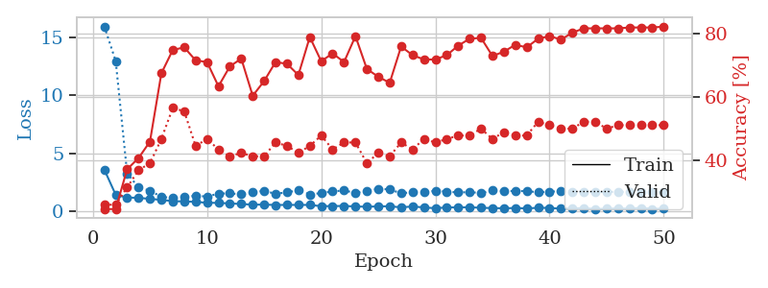
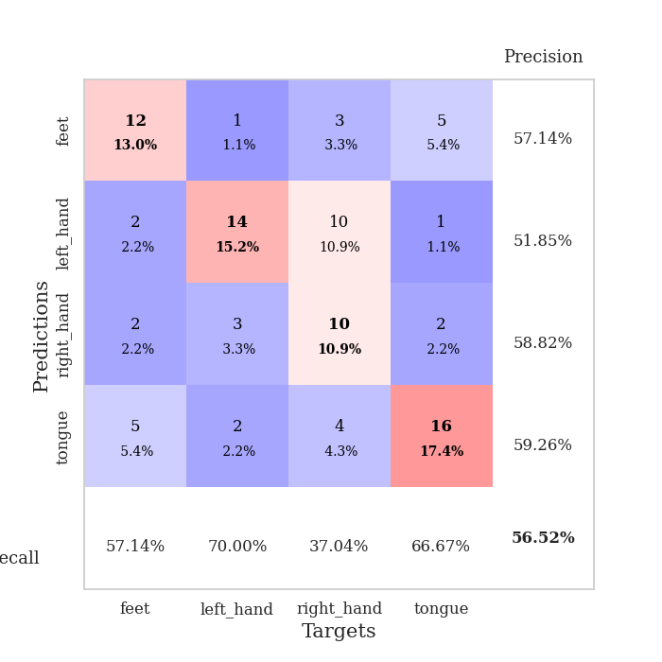
train_loss | valid_loss | train_accuracy | valid_accuracy | dur | train_misclass | valid_misclass
3.611076241 | 15.911112246 | 0.2472826087 | 0.26086956522 | 0.085820198059 | 24.72826087 | 26.086956522
1.443796671 | 12.939635111 | 0.2472826087 | 0.26086956522 | 0.083031177521 | 24.72826087 | 26.086956522
1.2051099124 | 3.2921108267 | 0.3722826087 | 0.3152173913 | 0.083050727844 | 37.22826087 | 31.52173913
1.1865234375 | 2.0691564342 | 0.40760869565 | 0.36956521739 | 0.086788415909 | 40.760869565 | 36.956521739
1.0888267082 | 1.7989662005 | 0.45923913043 | 0.39130434783 | 0.08304142952 | 45.923913043 | 39.130434783
1.0129185345 | 1.2723411114 | 0.67391304348 | 0.46739130435 | 0.084542036057 | 67.391304348 | 46.739130435
0.89422838584 | 1.1642776235 | 0.7472826087 | 0.5652173913 | 0.083040475845 | 74.72826087 | 56.52173913
0.87842290298 | 1.2372178254 | 0.75543478261 | 0.55434782609 | 0.086498022079 | 75.543478261 | 55.434782609
0.8358091116 | 1.3711275277 | 0.71467391304 | 0.44565217391 | 0.082714796066 | 71.467391304 | 44.565217391
0.75971758366 | 1.2885436286 | 0.70923913043 | 0.46739130435 | 0.082436561584 | 70.923913043 | 46.739130435
0.74799403548 | 1.5464372687 | 0.63315217391 | 0.4347826087 | 0.082203865051 | 63.315217391 | 43.47826087
0.69936438617 | 1.5672891451 | 0.69565217391 | 0.41304347826 | 0.083783864975 | 69.565217391 | 41.304347826
0.65560424004 | 1.4796201405 | 0.72010869565 | 0.42391304348 | 0.084519147873 | 72.010869565 | 42.391304348
0.59503109364 | 1.6875536286 | 0.60326086957 | 0.41304347826 | 0.082961320877 | 60.326086957 | 41.304347826
0.60306957494 | 1.7718470874 | 0.64945652174 | 0.41304347826 | 0.082756757736 | 64.945652174 | 41.304347826
0.56823638017 | 1.5381910749 | 0.70923913043 | 0.45652173913 | 0.082685709 | 70.923913043 | 45.652173913
0.57454367824 | 1.647725437 | 0.70380434783 | 0.44565217391 | 0.082701444626 | 70.380434783 | 44.565217391
0.57326974039 | 1.8343195552 | 0.66847826087 | 0.42391304348 | 0.082789897919 | 66.847826087 | 42.391304348
0.57408754528 | 1.4774425082 | 0.78804347826 | 0.44565217391 | 0.085013866425 | 78.804347826 | 44.565217391
0.46309765007 | 1.591116983 | 0.71195652174 | 0.47826086957 | 0.083781719208 | 71.195652174 | 47.826086957
0.47738828089 | 1.7355869127 | 0.73641304348 | 0.4347826087 | 0.086556196213 | 73.641304348 | 43.47826087
0.48233627236 | 1.8137906375 | 0.70923913043 | 0.45652173913 | 0.083423376083 | 70.923913043 | 45.652173913
0.44325406137 | 1.6058436062 | 0.79076086957 | 0.45652173913 | 0.083099603653 | 79.076086957 | 45.652173913
0.41612129432 | 1.7742557785 | 0.6875 | 0.39130434783 | 0.082694292068 | 68.75 | 39.130434783
0.44857288314 | 1.956673788 | 0.66304347826 | 0.42391304348 | 0.086785078049 | 66.304347826 | 42.391304348
0.46106550292 | 1.9070877459 | 0.64402173913 | 0.41304347826 | 0.083899259567 | 64.402173913 | 41.304347826
0.36071404491 | 1.5680365562 | 0.75815217391 | 0.45652173913 | 0.083730697632 | 75.815217391 | 45.652173913
0.44298243458 | 1.676016849 | 0.73097826087 | 0.4347826087 | 0.083080053329 | 73.097826087 | 43.47826087
0.3566198187 | 1.6468213278 | 0.71739130435 | 0.46739130435 | 0.084273815155 | 71.739130435 | 46.739130435
0.29033541809 | 1.7945569546 | 0.71739130435 | 0.45652173913 | 0.082920074463 | 71.739130435 | 45.652173913
0.3593853657 | 1.7145848482 | 0.73097826087 | 0.46739130435 | 0.083209276199 | 73.097826087 | 46.739130435
0.36251214406 | 1.643897238 | 0.76086956522 | 0.47826086957 | 0.082494735718 | 76.086956522 | 47.826086957
0.37188027864 | 1.6729635415 | 0.78260869565 | 0.47826086957 | 0.082698106766 | 78.260869565 | 47.826086957
0.32813658614 | 1.5973946323 | 0.78532608696 | 0.5 | 0.082335233688 | 78.532608696 | 50
0.30221855316 | 1.8188470965 | 0.72826086957 | 0.46739130435 | 0.082459688187 | 72.826086957 | 46.739130435
0.28613057668 | 1.7637085655 | 0.74184782609 | 0.48913043478 | 0.082576274872 | 74.184782609 | 48.913043478
0.30822988745 | 1.7682592195 | 0.76358695652 | 0.47826086957 | 0.082601547241 | 76.358695652 | 47.826086957
0.27370951147 | 1.760614022 | 0.75543478261 | 0.47826086957 | 0.083152770996 | 75.543478261 | 47.826086957
0.32810499713 | 1.6584392216 | 0.78260869565 | 0.52173913043 | 0.083626270294 | 78.260869565 | 52.173913043
0.31749086147 | 1.7140079996 | 0.79076086957 | 0.51086956522 | 0.084123134613 | 79.076086957 | 51.086956522
0.24967781519 | 1.750960972 | 0.77989130435 | 0.5 | 0.083707809448 | 77.989130435 | 50
0.27126684007 | 1.7243433361 | 0.80163043478 | 0.5 | 0.082895040512 | 80.163043478 | 50
0.30025727529 | 1.6790698248 | 0.8152173913 | 0.52173913043 | 0.082799196243 | 81.52173913 | 52.173913043
0.22063549802 | 1.6720461172 | 0.8152173913 | 0.52173913043 | 0.082380533218 | 81.52173913 | 52.173913043
0.24813912598 | 1.6930475079 | 0.8152173913 | 0.5 | 0.082528114319 | 81.52173913 | 50
0.27180584585 | 1.6967597785 | 0.8152173913 | 0.51086956522 | 0.086586475372 | 81.52173913 | 51.086956522
0.25203815831 | 1.6908784483 | 0.81793478261 | 0.51086956522 | 0.083904027939 | 81.793478261 | 51.086956522
0.32225034872 | 1.6900997162 | 0.81793478261 | 0.51086956522 | 0.082656860352 | 81.793478261 | 51.086956522
0.23374494198 | 1.6866343384 | 0.81793478261 | 0.51086956522 | 0.085172176361 | 81.793478261 | 51.086956522
0.25780852366 | 1.682806865 | 0.82065217391 | 0.51086956522 | 0.082243204117 | 82.065217391 | 51.086956522

Best Val accuracy is 0.5652173913043478 and Best test accuracy is 0.46551724137931033

