Sheet
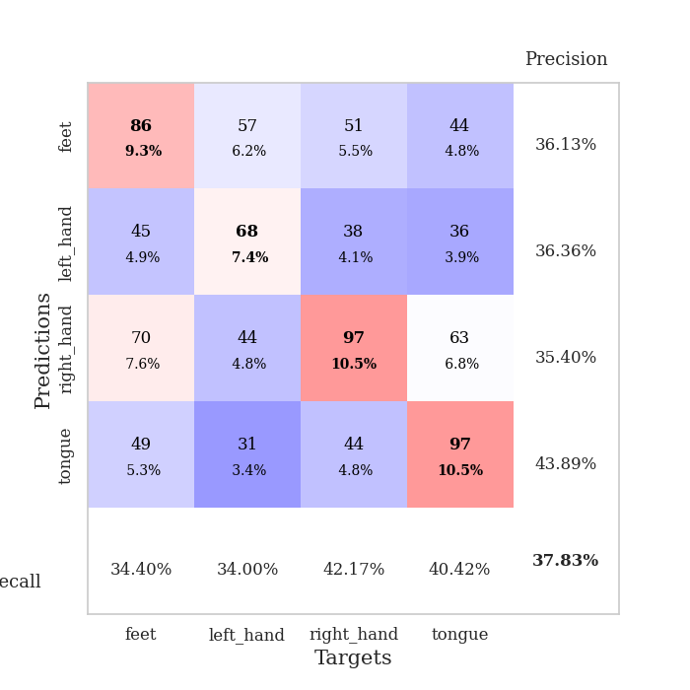
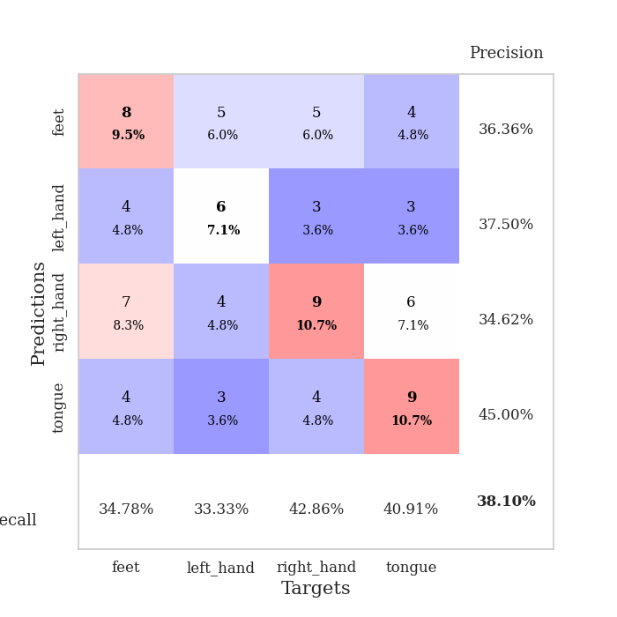
best_val_acc | best_val_los | best_test_acc
0.40217391304 | 1.5254725943 | 0.41379310345
0.36956521739 | 1.5478165409 | 0.37931034483
0.36956521739 | 1.5787047459 | 0.41379310345
0.36956521739 | 1.5856171484 | 0.43103448276
0.41304347826 | 1.6460263159 | 0.33620689655
0.39130434783 | 1.5683171386 | 0.34482758621
0.33695652174 | 1.6888853312 | 0.35344827586
0.41304347826 | 1.6316477734 | 0.3275862069
0.35869565217 | 1.6109880935 | 0.25
0.35869565217 | 1.7095753317 | 0.40517241379

Mean,std Val accuracy is 0.3782608695652174 , 0.025517125886462343 and mean, std test accuracy is 0.3655172413793103 , 0.05470346682432548

Sheet1
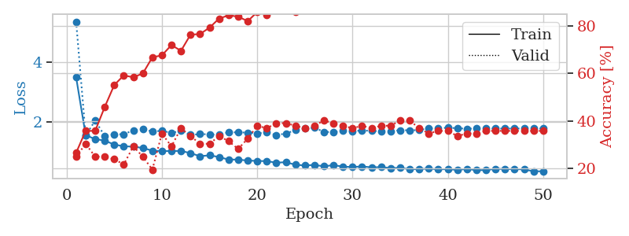
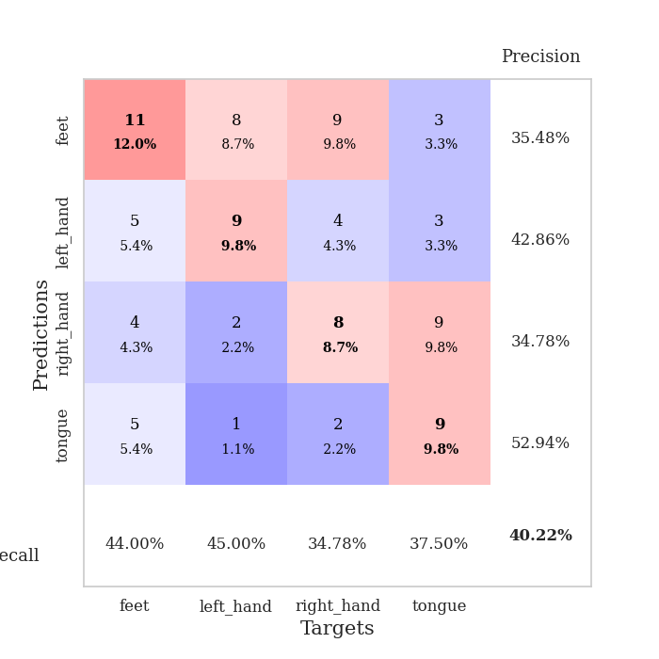
train_loss | valid_loss | train_accuracy | valid_accuracy | dur | train_misclass | valid_misclass
3.4837707851 | 5.3383361982 | 0.26630434783 | 0.25 | 0.085083961487 | 26.630434783 | 25
1.5551329488 | 1.5449384606 | 0.35869565217 | 0.30434782609 | 0.081705570221 | 35.869565217 | 30.434782609
1.4236131492 | 2.0430684763 | 0.35869565217 | 0.25 | 0.081674098969 | 35.869565217 | 25
1.3756024371 | 1.5254725943 | 0.45923913043 | 0.25 | 0.081473827362 | 45.923913043 | 25
1.2402407786 | 1.58595775 | 0.55163043478 | 0.23913043478 | 0.081664800644 | 55.163043478 | 23.913043478
1.1862404813 | 1.5846293284 | 0.59239130435 | 0.21739130435 | 0.082166194916 | 59.239130435 | 21.739130435
1.1716791314 | 1.7186137697 | 0.58423913043 | 0.29347826087 | 0.082183599472 | 58.423913043 | 29.347826087
1.1284635171 | 1.7497558853 | 0.60054347826 | 0.25 | 0.082283258438 | 60.054347826 | 25
1.0385002001 | 1.682030968 | 0.66847826087 | 0.19565217391 | 0.08243727684 | 66.847826087 | 19.565217391
1.0249247706 | 1.6983491027 | 0.67663043478 | 0.34782608696 | 0.083548069 | 67.663043478 | 34.782608696
1.0267713718 | 1.6331371173 | 0.72010869565 | 0.29347826087 | 0.083180904388 | 72.010869565 | 29.347826087
1.029626652 | 1.6966125395 | 0.69565217391 | 0.36956521739 | 0.082122564316 | 69.565217391 | 36.956521739
0.95591266518 | 1.5640450042 | 0.76358695652 | 0.33695652174 | 0.082987546921 | 76.358695652 | 33.695652174
0.85458565277 | 1.5899839609 | 0.76630434783 | 0.30434782609 | 0.082887887955 | 76.630434783 | 30.434782609
0.88296862789 | 1.5828753865 | 0.79347826087 | 0.30434782609 | 0.08208823204 | 79.347826087 | 30.434782609
0.82667214326 | 1.5689050944 | 0.83152173913 | 0.33695652174 | 0.098047018051 | 83.152173913 | 33.695652174
0.73991562491 | 1.6532322998 | 0.84510869565 | 0.3152173913 | 0.090665340424 | 84.510869565 | 31.52173913
0.74313900004 | 1.6481932764 | 0.83967391304 | 0.28260869565 | 0.083080291748 | 83.967391304 | 28.260869565
0.70773688218 | 1.6405646335 | 0.82065217391 | 0.32608695652 | 0.089066743851 | 82.065217391 | 32.608695652
0.69800369118 | 1.6138654325 | 0.85869565217 | 0.38043478261 | 0.087786436081 | 85.869565217 | 38.043478261
0.68873513393 | 1.6488439985 | 0.84782608696 | 0.36956521739 | 0.083081483841 | 84.782608696 | 36.956521739
0.63868365987 | 1.5564692591 | 0.88858695652 | 0.39130434783 | 0.085336208344 | 88.858695652 | 39.130434783
0.65407574825 | 1.6101138566 | 0.88858695652 | 0.39130434783 | 0.08282160759 | 88.858695652 | 39.130434783
0.57035076229 | 1.7211561099 | 0.86141304348 | 0.38043478261 | 0.084429979324 | 86.141304348 | 38.043478261
0.54569607714 | 1.7798966895 | 0.8777173913 | 0.36956521739 | 0.082631349564 | 87.77173913 | 36.956521739
0.56331329566 | 1.8039899857 | 0.89130434783 | 0.38043478261 | 0.082571744919 | 89.130434783 | 38.043478261
0.51638152548 | 1.6645445046 | 0.9402173913 | 0.40217391304 | 0.082662582397 | 94.02173913 | 40.217391304
0.55727529072 | 1.6575618205 | 0.9347826087 | 0.39130434783 | 0.083165884018 | 93.47826087 | 39.130434783
0.5049678761 | 1.7041859005 | 0.92934782609 | 0.38043478261 | 0.082796096802 | 92.934782609 | 38.043478261
0.49449315732 | 1.6940229717 | 0.94565217391 | 0.36956521739 | 0.082592725754 | 94.565217391 | 36.956521739
0.51340718503 | 1.7074008092 | 0.9347826087 | 0.38043478261 | 0.084968566895 | 93.47826087 | 38.043478261
0.48255824395 | 1.7017272374 | 0.96195652174 | 0.36956521739 | 0.084315299988 | 96.195652174 | 36.956521739
0.49030010078 | 1.6809652163 | 0.94836956522 | 0.38043478261 | 0.082277297974 | 94.836956522 | 38.043478261
0.45892172404 | 1.6942080156 | 0.95380434783 | 0.38043478261 | 0.082102298737 | 95.380434783 | 38.043478261
0.46486953419 | 1.7186827245 | 0.96195652174 | 0.40217391304 | 0.082142591476 | 96.195652174 | 40.217391304
0.42170507364 | 1.7188468861 | 0.96739130435 | 0.40217391304 | 0.084719657898 | 96.739130435 | 40.217391304
0.42358010489 | 1.7228526629 | 0.96195652174 | 0.36956521739 | 0.083774089813 | 96.195652174 | 36.956521739
0.44044733695 | 1.7856452206 | 0.91847826087 | 0.34782608696 | 0.082578659058 | 91.847826087 | 34.782608696
0.41505499087 | 1.7765488003 | 0.9347826087 | 0.35869565217 | 0.08318901062 | 93.47826087 | 35.869565217
0.4256418302 | 1.8077239731 | 0.91576086957 | 0.35869565217 | 0.082225561142 | 91.576086957 | 35.869565217
0.39719780049 | 1.7836204353 | 0.9402173913 | 0.33695652174 | 0.083044052124 | 94.02173913 | 33.695652174
0.43052412375 | 1.7718417334 | 0.94836956522 | 0.34782608696 | 0.082352399826 | 94.836956522 | 34.782608696
0.38902451422 | 1.7740423109 | 0.95652173913 | 0.34782608696 | 0.083242177963 | 95.652173913 | 34.782608696
0.39144086319 | 1.7734927095 | 0.95108695652 | 0.35869565217 | 0.083010911942 | 95.108695652 | 35.869565217
0.4351375116 | 1.7754321357 | 0.95923913043 | 0.35869565217 | 0.082273960114 | 95.923913043 | 35.869565217
0.42370991668 | 1.7751665115 | 0.95380434783 | 0.35869565217 | 0.082527399063 | 95.380434783 | 35.869565217
0.42632502965 | 1.7757116038 | 0.95380434783 | 0.35869565217 | 0.082326173782 | 95.380434783 | 35.869565217
0.41353497363 | 1.7751011486 | 0.95923913043 | 0.35869565217 | 0.082844495773 | 95.923913043 | 35.869565217
0.35110724426 | 1.775396855 | 0.96195652174 | 0.35869565217 | 0.085356235504 | 96.195652174 | 35.869565217
0.35137457757 | 1.7757550582 | 0.95923913043 | 0.35869565217 | 0.083009958267 | 95.923913043 | 35.869565217

Best Val accuracy is 0.40217391304347827 and Best test accuracy is 0.41379310344827586

Sheet2
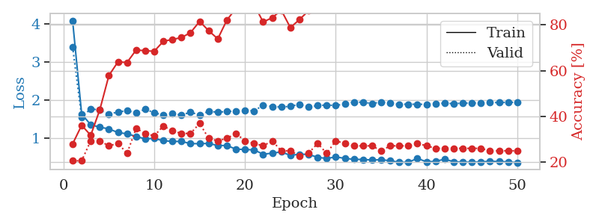
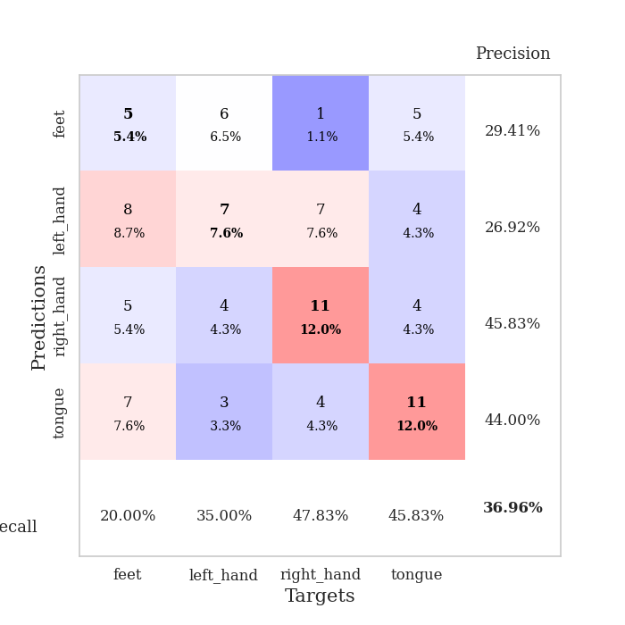
train_loss | valid_loss | train_accuracy | valid_accuracy | dur | train_misclass | valid_misclass
4.0894677639 | 3.3994204998 | 0.27989130435 | 0.20652173913 | 0.082917690277 | 27.989130435 | 20.652173913
1.6253302512 | 1.5478165409 | 0.36141304348 | 0.20652173913 | 0.082931041718 | 36.141304348 | 20.652173913
1.3440472276 | 1.7633623662 | 0.31793478261 | 0.29347826087 | 0.082754850388 | 31.793478261 | 29.347826087
1.2795136441 | 1.7322471194 | 0.42934782609 | 0.29347826087 | 0.082145214081 | 42.934782609 | 29.347826087
1.2360495122 | 1.6184079336 | 0.57880434783 | 0.27173913043 | 0.081886768341 | 57.880434783 | 27.173913043
1.1389880699 | 1.6836258432 | 0.63858695652 | 0.28260869565 | 0.081851005554 | 63.858695652 | 28.260869565
1.1063513004 | 1.7113910292 | 0.63586956522 | 0.23913043478 | 0.081773757935 | 63.586956522 | 23.913043478
1.0352092904 | 1.6622058568 | 0.6902173913 | 0.34782608696 | 0.081946611404 | 69.02173913 | 34.782608696
0.97336054626 | 1.7518636299 | 0.6875 | 0.32608695652 | 0.08331489563 | 68.75 | 32.608695652
0.98263060787 | 1.6609098756 | 0.6847826087 | 0.3152173913 | 0.082968473434 | 68.47826087 | 31.52173913
0.92364763954 | 1.5966756292 | 0.72826086957 | 0.35869565217 | 0.083116054535 | 72.826086957 | 35.869565217
0.9052539092 | 1.6339742567 | 0.73641304348 | 0.33695652174 | 0.081659793854 | 73.641304348 | 33.695652174
0.90399281357 | 1.6035910897 | 0.74456521739 | 0.32608695652 | 0.081851243973 | 74.456521739 | 32.608695652
0.84774494171 | 1.6738253106 | 0.76630434783 | 0.32608695652 | 0.081689357758 | 76.630434783 | 32.608695652
0.84496738211 | 1.6015353566 | 0.8152173913 | 0.36956521739 | 0.081860542297 | 81.52173913 | 36.956521739
0.85276970138 | 1.6985096465 | 0.77445652174 | 0.30434782609 | 0.08242726326 | 77.445652174 | 30.434782609
0.79620192621 | 1.6735249965 | 0.73913043478 | 0.29347826087 | 0.081803560257 | 73.913043478 | 29.347826087
0.7982516224 | 1.6946372519 | 0.82065217391 | 0.30434782609 | 0.081945419312 | 82.065217391 | 30.434782609
0.70050605484 | 1.7017506309 | 0.8722826087 | 0.32608695652 | 0.085295200348 | 87.22826087 | 32.608695652
0.69311840897 | 1.7276270338 | 0.88043478261 | 0.29347826087 | 0.0817091465 | 88.043478261 | 29.347826087
0.68081755223 | 1.7069499337 | 0.88858695652 | 0.28260869565 | 0.084575891495 | 88.858695652 | 28.260869565
0.56837591788 | 1.8610680207 | 0.8125 | 0.27173913043 | 0.083855867386 | 81.25 | 27.173913043
0.59555060838 | 1.8250899522 | 0.83152173913 | 0.29347826087 | 0.082599401474 | 83.152173913 | 29.347826087
0.62811883118 | 1.8086321717 | 0.86413043478 | 0.25 | 0.082222223282 | 86.413043478 | 25
0.53720301908 | 1.8307778369 | 0.78804347826 | 0.25 | 0.082691669464 | 78.804347826 | 25
0.56822682237 | 1.8815180374 | 0.82336956522 | 0.22826086957 | 0.082682132721 | 82.336956522 | 22.826086957
0.56217819841 | 1.811591817 | 0.86141304348 | 0.23913043478 | 0.082467317581 | 86.141304348 | 23.913043478
0.4867746059 | 1.8481307911 | 0.89130434783 | 0.28260869565 | 0.082581520081 | 89.130434783 | 28.260869565
0.45502168977 | 1.8650614282 | 0.92391304348 | 0.23913043478 | 0.082395553589 | 92.391304348 | 23.913043478
0.49595848762 | 1.8505693674 | 0.95380434783 | 0.29347826087 | 0.082424163818 | 95.380434783 | 29.347826087
0.45961253669 | 1.8939519965 | 0.91304347826 | 0.28260869565 | 0.082530260086 | 91.304347826 | 28.260869565
0.43140605805 | 1.9419659272 | 0.92119565217 | 0.27173913043 | 0.08237695694 | 92.119565217 | 27.173913043
0.43067559794 | 1.9373460075 | 0.90217391304 | 0.27173913043 | 0.082654237747 | 90.217391304 | 27.173913043
0.41509123535 | 1.9030903111 | 0.94293478261 | 0.27173913043 | 0.082321643829 | 94.293478261 | 27.173913043
0.42275665571 | 1.9437633338 | 0.97554347826 | 0.25 | 0.082248449326 | 97.554347826 | 25
0.39710100384 | 1.9068871737 | 0.98369565217 | 0.27173913043 | 0.082392692566 | 98.369565217 | 27.173913043
0.35546829875 | 1.8842116232 | 0.94836956522 | 0.27173913043 | 0.082092523575 | 94.836956522 | 27.173913043
0.35727813905 | 1.8860751079 | 0.96467391304 | 0.27173913043 | 0.082367420197 | 96.467391304 | 27.173913043
0.45713637964 | 1.8846227242 | 0.96739130435 | 0.28260869565 | 0.082126379013 | 96.739130435 | 28.260869565
0.36767971321 | 1.8834122627 | 0.98097826087 | 0.27173913043 | 0.086413621902 | 98.097826087 | 27.173913043
0.37996096715 | 1.9045414769 | 0.97282608696 | 0.26086956522 | 0.083037137985 | 97.282608696 | 26.086956522
0.43730125317 | 1.9090166921 | 0.97554347826 | 0.26086956522 | 0.082278490067 | 97.554347826 | 26.086956522
0.36981370592 | 1.9011327287 | 0.96195652174 | 0.26086956522 | 0.082229614258 | 96.195652174 | 26.086956522
0.36198320013 | 1.9128325659 | 0.96195652174 | 0.26086956522 | 0.084699630737 | 96.195652174 | 26.086956522
0.35834311791 | 1.9159526877 | 0.97554347826 | 0.26086956522 | 0.082333803177 | 97.554347826 | 26.086956522
0.36615467331 | 1.9216563442 | 0.97554347826 | 0.26086956522 | 0.085381031036 | 97.554347826 | 26.086956522
0.38217624763 | 1.9281768229 | 0.97826086957 | 0.25 | 0.082623004913 | 97.826086957 | 25
0.37555681493 | 1.929974924 | 0.97826086957 | 0.25 | 0.082214355469 | 97.826086957 | 25
0.36679587675 | 1.9337638306 | 0.97826086957 | 0.25 | 0.082299232483 | 97.826086957 | 25
0.34743731307 | 1.9358992525 | 0.97826086957 | 0.25 | 0.082317590714 | 97.826086957 | 25

Best Val accuracy is 0.3695652173913043 and Best test accuracy is 0.3793103448275862

Sheet3
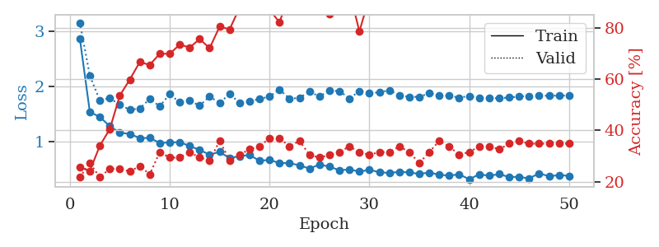
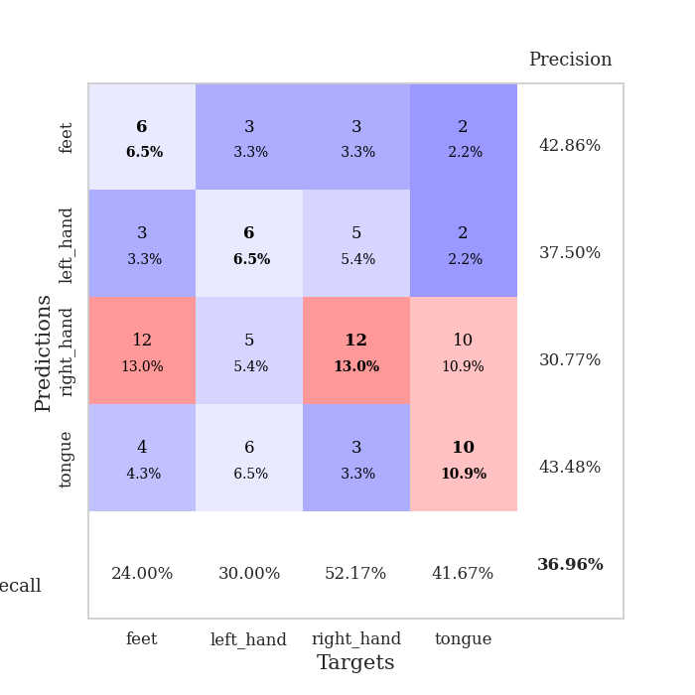
train_loss | valid_loss | train_accuracy | valid_accuracy | dur | train_misclass | valid_misclass
2.8613149861 | 3.1504488095 | 0.25543478261 | 0.21739130435 | 0.083998203278 | 25.543478261 | 21.739130435
1.5378650427 | 2.1930237957 | 0.24184782609 | 0.27173913043 | 0.082149267197 | 24.184782609 | 27.173913043
1.4488363784 | 1.7476135544 | 0.33967391304 | 0.21739130435 | 0.082385540009 | 33.967391304 | 21.739130435
1.2810097518 | 1.7884953333 | 0.40489130435 | 0.25 | 0.08186340332 | 40.489130435 | 25
1.1634609544 | 1.6683725533 | 0.53532608696 | 0.25 | 0.081931829453 | 53.532608696 | 25
1.1431668012 | 1.5787047459 | 0.59782608696 | 0.23913043478 | 0.081897258759 | 59.782608696 | 23.913043478
1.066065029 | 1.6004669355 | 0.66576086957 | 0.26086956522 | 0.082008361816 | 66.576086957 | 26.086956522
1.0708182661 | 1.776859527 | 0.65489130435 | 0.22826086957 | 0.081997871399 | 65.489130435 | 22.826086957
0.97997003535 | 1.6402806666 | 0.69836956522 | 0.3152173913 | 0.081965684891 | 69.836956522 | 31.52173913
0.98925665669 | 1.8625006728 | 0.69836956522 | 0.29347826087 | 0.082426786423 | 69.836956522 | 29.347826087
0.99309574003 | 1.7092154493 | 0.73369565217 | 0.29347826087 | 0.081903457642 | 73.369565217 | 29.347826087
0.92460404531 | 1.7404377823 | 0.72282608696 | 0.3152173913 | 0.081955909729 | 72.282608696 | 31.52173913
0.8522004537 | 1.6541905351 | 0.75543478261 | 0.29347826087 | 0.082147121429 | 75.543478261 | 29.347826087
0.76885455199 | 1.8155041415 | 0.72010869565 | 0.28260869565 | 0.082030773163 | 72.010869565 | 28.260869565
0.81842512022 | 1.7014078316 | 0.80434782609 | 0.35869565217 | 0.082145214081 | 80.434782609 | 35.869565217
0.70397726868 | 1.862228067 | 0.79347826087 | 0.28260869565 | 0.082422971725 | 79.347826087 | 28.260869565
0.74238521638 | 1.7039805858 | 0.8777173913 | 0.30434782609 | 0.082407951355 | 87.77173913 | 30.434782609
0.76048528241 | 1.7288433106 | 0.88315217391 | 0.32608695652 | 0.082156181335 | 88.315217391 | 32.608695652
0.65896524554 | 1.7731175423 | 0.8722826087 | 0.33695652174 | 0.082983732224 | 87.22826087 | 33.695652174
0.67253373239 | 1.8160994986 | 0.86956521739 | 0.36956521739 | 0.084229230881 | 86.956521739 | 36.956521739
0.61659304733 | 1.9458717885 | 0.82065217391 | 0.36956521739 | 0.083687782288 | 82.065217391 | 36.956521739
0.61556249727 | 1.7776106181 | 0.9347826087 | 0.33695652174 | 0.081958293915 | 93.47826087 | 33.695652174
0.57515049499 | 1.7923919481 | 0.89130434783 | 0.35869565217 | 0.082629680634 | 89.130434783 | 35.869565217
0.51719849719 | 1.9064465658 | 0.88586956522 | 0.30434782609 | 0.083588123322 | 88.586956522 | 30.434782609
0.58877282169 | 1.8179123557 | 0.91576086957 | 0.29347826087 | 0.082473993301 | 91.576086957 | 29.347826087
0.55213790743 | 1.9223954004 | 0.85326086957 | 0.30434782609 | 0.082098245621 | 85.326086957 | 30.434782609
0.48585285959 | 1.9169696673 | 0.89945652174 | 0.3152173913 | 0.082446098328 | 89.945652174 | 31.52173913
0.50164915816 | 1.779582713 | 0.94293478261 | 0.33695652174 | 0.08237361908 | 94.293478261 | 33.695652174
0.4625442352 | 1.9154123327 | 0.78532608696 | 0.3152173913 | 0.082180500031 | 78.532608696 | 31.52173913
0.49369542884 | 1.8802472871 | 0.91847826087 | 0.30434782609 | 0.082120895386 | 91.847826087 | 30.434782609
0.45142710274 | 1.8905860652 | 0.8722826087 | 0.3152173913 | 0.082146406174 | 87.22826087 | 31.52173913
0.43677772906 | 1.9318556215 | 0.91847826087 | 0.3152173913 | 0.082255601883 | 91.847826087 | 31.52173913
0.45845797852 | 1.837776407 | 0.97282608696 | 0.33695652174 | 0.082473516464 | 97.282608696 | 33.695652174
0.4469006852 | 1.8107601612 | 0.95652173913 | 0.3152173913 | 0.082684755325 | 95.652173913 | 31.52173913
0.41980535051 | 1.8116495402 | 0.97010869565 | 0.27173913043 | 0.082664012909 | 97.010869565 | 27.173913043
0.44575677553 | 1.8765014825 | 0.93206521739 | 0.3152173913 | 0.082851171494 | 93.206521739 | 31.52173913
0.40635222521 | 1.8337026316 | 0.98369565217 | 0.35869565217 | 0.083618879318 | 98.369565217 | 35.869565217
0.38932027441 | 1.830567531 | 0.98369565217 | 0.33695652174 | 0.083283185959 | 98.369565217 | 33.695652174
0.41340781554 | 1.7982237495 | 0.99184782609 | 0.30434782609 | 0.082766056061 | 99.184782609 | 30.434782609
0.3235553652 | 1.826388639 | 0.97282608696 | 0.3152173913 | 0.08233165741 | 97.282608696 | 31.52173913
0.41371054364 | 1.7982839035 | 0.98913043478 | 0.33695652174 | 0.082163333893 | 98.913043478 | 33.695652174
0.3866409546 | 1.7914334536 | 0.99456521739 | 0.33695652174 | 0.082375764847 | 99.456521739 | 33.695652174
0.41632639001 | 1.7857924907 | 0.99184782609 | 0.32608695652 | 0.08240032196 | 99.184782609 | 32.608695652
0.36377554614 | 1.8002997274 | 0.98641304348 | 0.34782608696 | 0.082608699799 | 98.641304348 | 34.782608696
0.36710822129 | 1.8159483049 | 0.98369565217 | 0.35869565217 | 0.084659814835 | 98.369565217 | 35.869565217
0.33899564879 | 1.8267616759 | 0.98641304348 | 0.34782608696 | 0.085314273834 | 98.641304348 | 34.782608696
0.43005961115 | 1.831406132 | 0.99184782609 | 0.34782608696 | 0.084183931351 | 99.184782609 | 34.782608696
0.3784505158 | 1.8326377817 | 0.99184782609 | 0.34782608696 | 0.082778930664 | 99.184782609 | 34.782608696
0.39831805618 | 1.8339237752 | 0.99184782609 | 0.34782608696 | 0.082672834396 | 99.184782609 | 34.782608696
0.38640863481 | 1.8345184015 | 0.99184782609 | 0.34782608696 | 0.082597732544 | 99.184782609 | 34.782608696

Best Val accuracy is 0.3695652173913043 and Best test accuracy is 0.41379310344827586

Sheet4
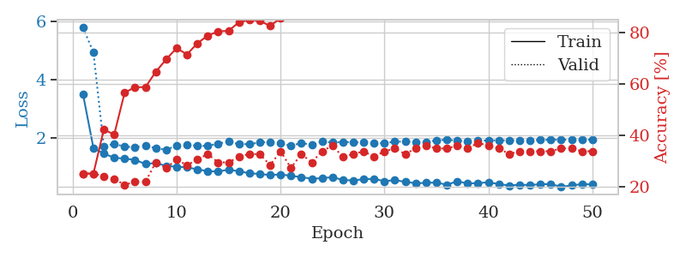
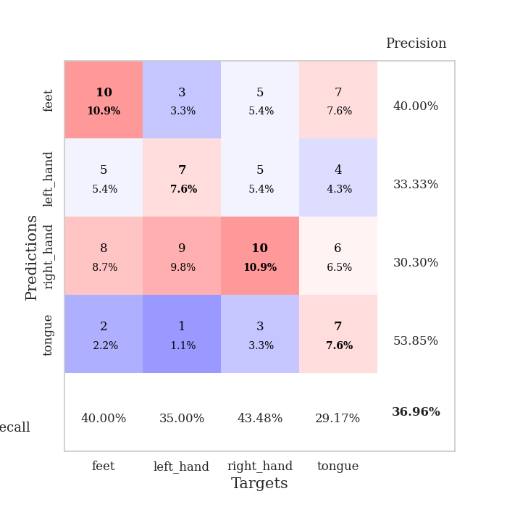
train_loss | valid_loss | train_accuracy | valid_accuracy | dur | train_misclass | valid_misclass
3.4897278651 | 5.7786142308 | 0.25 | 0.25 | 0.08354139328 | 25 | 25
1.6512530887 | 4.9327176965 | 0.25 | 0.25 | 0.082501173019 | 25 | 25
1.4550495614 | 1.6999454965 | 0.42119565217 | 0.23913043478 | 0.083866119385 | 42.119565217 | 23.913043478
1.3176311617 | 1.7919460794 | 0.40217391304 | 0.22826086957 | 0.082235813141 | 40.217391304 | 22.826086957
1.2825067095 | 1.6922603638 | 0.5652173913 | 0.20652173913 | 0.082426309586 | 56.52173913 | 20.652173913
1.2435531824 | 1.6834879803 | 0.58695652174 | 0.21739130435 | 0.082396507263 | 58.695652174 | 21.739130435
1.0985464506 | 1.7158581122 | 0.58695652174 | 0.21739130435 | 0.087542295456 | 58.695652174 | 21.739130435
1.1374787611 | 1.6485279954 | 0.64673913043 | 0.29347826087 | 0.084174156189 | 64.673913043 | 29.347826087
1.0320067613 | 1.5856171484 | 0.69565217391 | 0.27173913043 | 0.084948539734 | 69.565217391 | 27.173913043
1.0084771125 | 1.7351678714 | 0.73913043478 | 0.30434782609 | 0.085107088089 | 73.913043478 | 30.434782609
0.98436118727 | 1.7571868741 | 0.71467391304 | 0.28260869565 | 0.086743354797 | 71.467391304 | 28.260869565
0.9168310891 | 1.7276703949 | 0.75815217391 | 0.30434782609 | 0.088885545731 | 75.815217391 | 30.434782609
0.85187646876 | 1.719510037 | 0.78804347826 | 0.32608695652 | 0.085098743439 | 78.804347826 | 32.608695652
0.84137974615 | 1.8021817985 | 0.80434782609 | 0.29347826087 | 0.085796356201 | 80.434782609 | 29.347826087
0.90590868307 | 1.8690752828 | 0.80706521739 | 0.29347826087 | 0.082654237747 | 80.706521739 | 29.347826087
0.84991906778 | 1.7836388505 | 0.83967391304 | 0.3152173913 | 0.082481861115 | 83.967391304 | 31.52173913
0.78371453285 | 1.7801800863 | 0.85054347826 | 0.32608695652 | 0.082431793213 | 85.054347826 | 32.608695652
0.75889692617 | 1.8396007445 | 0.84510869565 | 0.32608695652 | 0.081991195679 | 84.510869565 | 32.608695652
0.71843764186 | 1.854469999 | 0.82608695652 | 0.28260869565 | 0.08210515976 | 82.608695652 | 28.260869565
0.7442589467 | 1.8168741568 | 0.85597826087 | 0.33695652174 | 0.082418441772 | 85.597826087 | 33.695652174
0.69357903107 | 1.7271244785 | 0.88315217391 | 0.27173913043 | 0.082507610321 | 88.315217391 | 27.173913043
0.64996602613 | 1.8209968183 | 0.88315217391 | 0.32608695652 | 0.082104444504 | 88.315217391 | 32.608695652
0.59463365052 | 1.7609392249 | 0.89945652174 | 0.29347826087 | 0.082086086273 | 89.945652174 | 29.347826087
0.61337937868 | 1.8734111527 | 0.89945652174 | 0.33695652174 | 0.082420110703 | 89.945652174 | 33.695652174
0.64962572507 | 1.8369987426 | 0.89402173913 | 0.35869565217 | 0.082151889801 | 89.402173913 | 35.869565217
0.55044837814 | 1.8547093194 | 0.94565217391 | 0.3152173913 | 0.08331990242 | 94.565217391 | 31.52173913
0.53673559168 | 1.8470338531 | 0.91304347826 | 0.32608695652 | 0.082158327103 | 91.304347826 | 32.608695652
0.5781691502 | 1.8351524343 | 0.92934782609 | 0.33695652174 | 0.083611726761 | 92.934782609 | 33.695652174
0.58998130975 | 1.817216189 | 0.95108695652 | 0.3152173913 | 0.085461616516 | 95.108695652 | 31.52173913
0.50849750638 | 1.8157015883 | 0.95380434783 | 0.33695652174 | 0.08484172821 | 95.380434783 | 33.695652174
0.54767069739 | 1.8665865763 | 0.98097826087 | 0.34782608696 | 0.084062337875 | 98.097826087 | 34.782608696
0.48576430393 | 1.8683399895 | 0.94565217391 | 0.32608695652 | 0.085347175598 | 94.565217391 | 32.608695652
0.44155693313 | 1.8601099356 | 0.92934782609 | 0.34782608696 | 0.08248758316 | 92.934782609 | 34.782608696
0.4513125005 | 1.8568144881 | 0.97010869565 | 0.35869565217 | 0.082595586777 | 97.010869565 | 35.869565217
0.4653912977 | 1.9113609635 | 0.97010869565 | 0.34782608696 | 0.082176208496 | 97.010869565 | 34.782608696
0.3870901297 | 1.9380595943 | 0.97282608696 | 0.34782608696 | 0.082761287689 | 97.282608696 | 34.782608696
0.50753795388 | 1.8955276583 | 0.96739130435 | 0.35869565217 | 0.082061290741 | 96.739130435 | 35.869565217
0.43030718228 | 1.8895360283 | 0.97554347826 | 0.34782608696 | 0.082370758057 | 97.554347826 | 34.782608696
0.44501296593 | 1.9031391299 | 0.96739130435 | 0.36956521739 | 0.082357406616 | 96.739130435 | 36.956521739
0.4711370818 | 1.9079617469 | 0.96467391304 | 0.35869565217 | 0.08250784874 | 96.467391304 | 35.869565217
0.41052182861 | 1.9110607997 | 0.97010869565 | 0.34782608696 | 0.082719087601 | 97.010869565 | 34.782608696
0.3615780084 | 1.9121491391 | 0.97010869565 | 0.32608695652 | 0.082000255585 | 97.010869565 | 32.608695652
0.39060658022 | 1.9159705535 | 0.97826086957 | 0.33695652174 | 0.082353115082 | 97.826086957 | 33.695652174
0.37650938203 | 1.9161763139 | 0.98369565217 | 0.33695652174 | 0.082464933395 | 98.369565217 | 33.695652174
0.40736262759 | 1.92378876 | 0.98369565217 | 0.33695652174 | 0.082145214081 | 98.369565217 | 33.695652174
0.40906057248 | 1.931835527 | 0.98097826087 | 0.33695652174 | 0.088213205338 | 98.097826087 | 33.695652174
0.31977600993 | 1.9345670628 | 0.98369565217 | 0.34782608696 | 0.083019971848 | 98.369565217 | 34.782608696
0.36558237737 | 1.9356680953 | 0.98369565217 | 0.34782608696 | 0.082997560501 | 98.369565217 | 34.782608696
0.40912431932 | 1.9358089644 | 0.98641304348 | 0.33695652174 | 0.08288693428 | 98.641304348 | 33.695652174
0.39972606884 | 1.9359301899 | 0.98641304348 | 0.33695652174 | 0.083967208862 | 98.641304348 | 33.695652174

Best Val accuracy is 0.3695652173913043 and Best test accuracy is 0.43103448275862066

Sheet5
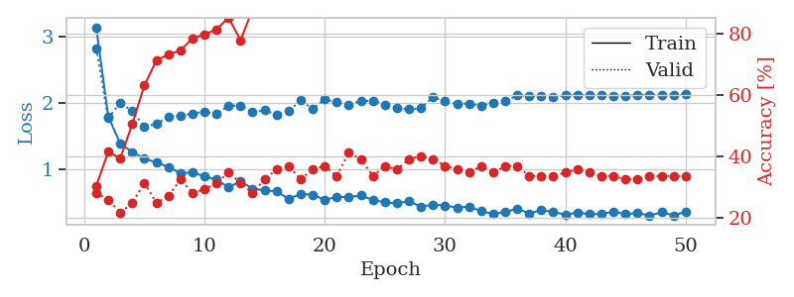
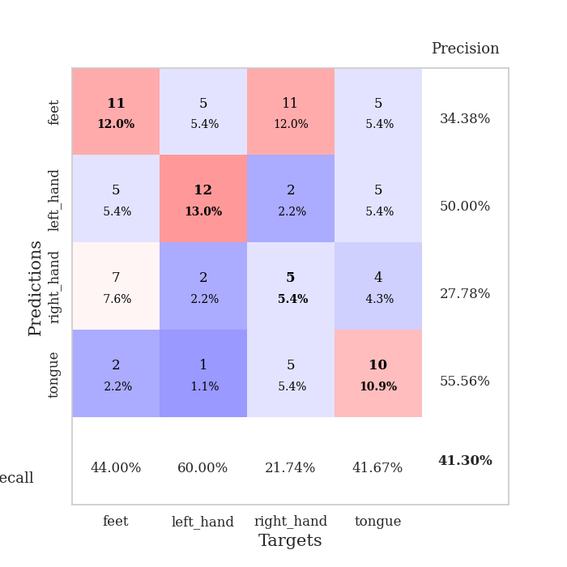
train_loss | valid_loss | train_accuracy | valid_accuracy | dur | train_misclass | valid_misclass
3.1402533832 | 2.8219947348 | 0.30434782609 | 0.28260869565 | 0.087571382523 | 30.434782609 | 28.260869565
1.7938070505 | 1.7687822477 | 0.41576086957 | 0.26086956522 | 0.083612918854 | 41.576086957 | 26.086956522
1.3879380589 | 2.0042697865 | 0.39402173913 | 0.21739130435 | 0.082370758057 | 39.402173913 | 21.739130435
1.2587463001 | 1.8746287304 | 0.50543478261 | 0.25 | 0.082309484482 | 50.543478261 | 25
1.1627316008 | 1.6460263159 | 0.63043478261 | 0.3152173913 | 0.084570169449 | 63.043478261 | 31.52173913
1.1033416727 | 1.6849253696 | 0.71195652174 | 0.25 | 0.082251787186 | 71.195652174 | 25
1.0370012392 | 1.7903609068 | 0.73097826087 | 0.27173913043 | 0.082371234894 | 73.097826087 | 27.173913043
0.94023150206 | 1.8055340052 | 0.74456521739 | 0.32608695652 | 0.083292007446 | 74.456521739 | 32.608695652
0.9534986667 | 1.8420992053 | 0.78260869565 | 0.28260869565 | 0.085108757019 | 78.260869565 | 28.260869565
0.89387216516 | 1.8664191132 | 0.79619565217 | 0.29347826087 | 0.083593130112 | 79.619565217 | 29.347826087
0.84643500266 | 1.8360274823 | 0.8125 | 0.3152173913 | 0.08388876915 | 81.25 | 31.52173913
0.7278875268 | 1.9586751098 | 0.85054347826 | 0.34782608696 | 0.083319187164 | 85.054347826 | 34.782608696
0.82085445523 | 1.9612198239 | 0.77717391304 | 0.3152173913 | 0.086206436157 | 77.717391304 | 31.52173913
0.70575600992 | 1.8590082137 | 0.8777173913 | 0.28260869565 | 0.084140300751 | 87.77173913 | 28.260869565
0.68578066126 | 1.8882767895 | 0.8777173913 | 0.32608695652 | 0.082176685333 | 87.77173913 | 32.608695652
0.66549357513 | 1.8226671219 | 0.90217391304 | 0.35869565217 | 0.081813573837 | 90.217391304 | 35.869565217
0.55475770779 | 1.878717267 | 0.91576086957 | 0.36956521739 | 0.082672834396 | 91.576086957 | 36.956521739
0.62697582271 | 2.0369439436 | 0.90760869565 | 0.32608695652 | 0.083393573761 | 90.760869565 | 32.608695652
0.61868589339 | 1.9092509798 | 0.94293478261 | 0.35869565217 | 0.083392858505 | 94.293478261 | 35.869565217
0.54007141098 | 2.0572542859 | 0.875 | 0.36956521739 | 0.082293748856 | 87.5 | 36.956521739
0.58387974812 | 2.0078704046 | 0.94565217391 | 0.33695652174 | 0.082174062729 | 94.565217391 | 33.695652174
0.58171486336 | 1.9691153713 | 0.96195652174 | 0.41304347826 | 0.08292555809 | 96.195652174 | 41.304347826
0.60535127572 | 2.0321277587 | 0.95652173913 | 0.39130434783 | 0.082499980927 | 95.652173913 | 39.130434783
0.53925577065 | 2.0309030129 | 0.97554347826 | 0.33695652174 | 0.082007646561 | 97.554347826 | 33.695652174
0.50249788619 | 1.97636992 | 0.96195652174 | 0.36956521739 | 0.083906412125 | 96.195652174 | 36.956521739
0.48797184747 | 1.9180197923 | 0.97826086957 | 0.35869565217 | 0.083371162415 | 97.826086957 | 35.869565217
0.51779110276 | 1.9032479473 | 0.95652173913 | 0.39130434783 | 0.082051992416 | 95.652173913 | 39.130434783
0.43845650618 | 1.9217335452 | 0.98097826087 | 0.40217391304 | 0.082263946533 | 98.097826087 | 40.217391304
0.4667214816 | 2.0896366524 | 0.98097826087 | 0.39130434783 | 0.08299279213 | 98.097826087 | 39.130434783
0.45550809153 | 2.0227593754 | 0.99184782609 | 0.36956521739 | 0.083011627197 | 99.184782609 | 36.956521739
0.42214646806 | 1.9862482859 | 0.98913043478 | 0.35869565217 | 0.082678556442 | 98.913043478 | 35.869565217
0.4386670123 | 1.9896196956 | 0.99456521739 | 0.34782608696 | 0.082446575165 | 99.456521739 | 34.782608696
0.37086632265 | 1.9594187788 | 0.99184782609 | 0.36956521739 | 0.081887483597 | 99.184782609 | 36.956521739
0.32669210304 | 2.0009082608 | 0.99456521739 | 0.34782608696 | 0.082174777985 | 99.456521739 | 34.782608696
0.35661766192 | 2.0255759643 | 0.99184782609 | 0.36956521739 | 0.08239030838 | 99.184782609 | 36.956521739
0.40814557412 | 2.1136492128 | 0.9972826087 | 0.36956521739 | 0.082226753235 | 99.72826087 | 36.956521739
0.33500731898 | 2.1076647976 | 0.99456521739 | 0.33695652174 | 0.082345962524 | 99.456521739 | 33.695652174
0.38470318946 | 2.1010893324 | 0.98641304348 | 0.33695652174 | 0.082144498825 | 98.641304348 | 33.695652174
0.35850691277 | 2.0848657515 | 0.99456521739 | 0.33695652174 | 0.082054853439 | 99.456521739 | 33.695652174
0.31770527233 | 2.1139954121 | 0.99184782609 | 0.34782608696 | 0.081937551498 | 99.184782609 | 34.782608696
0.34878834207 | 2.1190398621 | 0.9972826087 | 0.35869565217 | 0.082216739655 | 99.72826087 | 35.869565217
0.32523952554 | 2.1190805228 | 0.9972826087 | 0.34782608696 | 0.08215045929 | 99.72826087 | 34.782608696
0.32742796709 | 2.1154022061 | 1 | 0.33695652174 | 0.082290172577 | 100 | 33.695652174
0.3621188765 | 2.1109956347 | 0.9972826087 | 0.33695652174 | 0.082894563675 | 99.72826087 | 33.695652174
0.32464849285 | 2.1081952479 | 0.9972826087 | 0.32608695652 | 0.082456350327 | 99.72826087 | 32.608695652
0.3411868545 | 2.1168979199 | 0.9972826087 | 0.32608695652 | 0.082424640656 | 99.72826087 | 32.608695652
0.30333242209 | 2.1221130879 | 0.9972826087 | 0.33695652174 | 0.084327697754 | 99.72826087 | 33.695652174
0.35277587175 | 2.1244202904 | 0.9972826087 | 0.33695652174 | 0.083632230759 | 99.72826087 | 33.695652174
0.30572281843 | 2.1261438857 | 0.9972826087 | 0.33695652174 | 0.082040548325 | 99.72826087 | 33.695652174
0.36048733864 | 2.1271433105 | 0.9972826087 | 0.33695652174 | 0.082098007202 | 99.72826087 | 33.695652174

Best Val accuracy is 0.41304347826086957 and Best test accuracy is 0.33620689655172414

Sheet6
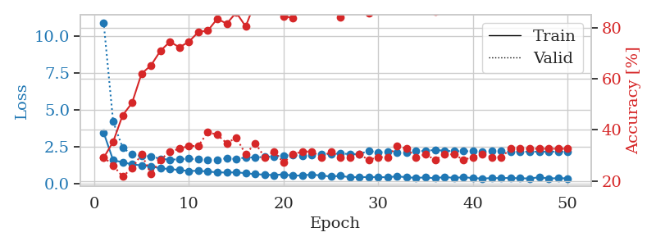
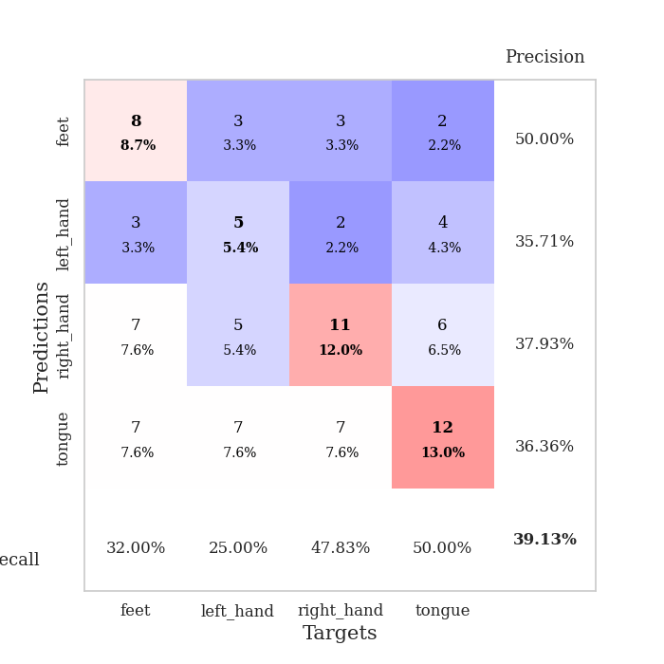
train_loss | valid_loss | train_accuracy | valid_accuracy | dur | train_misclass | valid_misclass
3.4439963102 | 10.928416211 | 0.29076086957 | 0.29347826087 | 0.08545255661 | 29.076086957 | 29.347826087
1.5740649493 | 4.2016656088 | 0.35326086957 | 0.26086956522 | 0.085105895996 | 35.326086957 | 26.086956522
1.4306535358 | 2.4163542623 | 0.45652173913 | 0.21739130435 | 0.087563514709 | 45.652173913 | 21.739130435
1.2917802723 | 1.9675090106 | 0.50543478261 | 0.25 | 0.087377786636 | 50.543478261 | 25
1.2158937765 | 1.8629074822 | 0.61956521739 | 0.30434782609 | 0.091173648834 | 61.956521739 | 30.434782609
1.1598256386 | 1.8361718655 | 0.65217391304 | 0.22826086957 | 0.084973812103 | 65.217391304 | 22.826086957
1.0100987139 | 1.6594072839 | 0.70923913043 | 0.28260869565 | 0.086189031601 | 70.923913043 | 28.260869565
0.97695764251 | 1.6136099307 | 0.74456521739 | 0.3152173913 | 0.08447432518 | 74.456521739 | 31.52173913
0.90107923487 | 1.6311429065 | 0.72282608696 | 0.32608695652 | 0.084083557129 | 72.282608696 | 32.608695652
0.83834449105 | 1.6770315222 | 0.74456521739 | 0.33695652174 | 0.083849906921 | 74.456521739 | 33.695652174
0.85330480337 | 1.621866418 | 0.78260869565 | 0.33695652174 | 0.082706212997 | 78.260869565 | 33.695652174
0.80035936314 | 1.5683171386 | 0.78804347826 | 0.39130434783 | 0.08336353302 | 78.804347826 | 39.130434783
0.74928624215 | 1.618802366 | 0.83423913043 | 0.38043478261 | 0.088631868362 | 83.423913043 | 38.043478261
0.72966648185 | 1.7012714718 | 0.8152173913 | 0.34782608696 | 0.085438489914 | 81.52173913 | 34.782608696
0.75324738544 | 1.6507083644 | 0.85869565217 | 0.36956521739 | 0.083949565887 | 85.869565217 | 36.956521739
0.68372438524 | 1.7621015518 | 0.80434782609 | 0.30434782609 | 0.083581924438 | 80.434782609 | 30.434782609
0.61825528223 | 1.7606453325 | 0.89945652174 | 0.34782608696 | 0.083343982697 | 89.945652174 | 34.782608696
0.59012344868 | 1.7969131314 | 0.90489130435 | 0.29347826087 | 0.083519220352 | 90.489130435 | 29.347826087
0.55390478606 | 1.8315999767 | 0.91032608696 | 0.3152173913 | 0.083222150803 | 91.032608696 | 31.52173913
0.61547794031 | 1.8847435505 | 0.84510869565 | 0.27173913043 | 0.083064556122 | 84.510869565 | 27.173913043
0.51233250162 | 1.9093265585 | 0.83695652174 | 0.30434782609 | 0.082887172699 | 83.695652174 | 30.434782609
0.54129318569 | 1.8765255835 | 0.89945652174 | 0.3152173913 | 0.086512804031 | 89.945652174 | 31.52173913
0.59756166002 | 1.9532173976 | 0.88315217391 | 0.3152173913 | 0.083399057388 | 88.315217391 | 31.52173913
0.52700772363 | 2.006674751 | 0.90217391304 | 0.29347826087 | 0.083525657654 | 90.217391304 | 29.347826087
0.46520224797 | 1.9643895989 | 0.94565217391 | 0.3152173913 | 0.083433151245 | 94.565217391 | 31.52173913
0.50568420408 | 2.0516876656 | 0.83967391304 | 0.29347826087 | 0.082985877991 | 83.967391304 | 29.347826087
0.41388377353 | 1.9721139099 | 0.91032608696 | 0.29347826087 | 0.083008527756 | 91.032608696 | 29.347826087
0.42737139891 | 2.0016210183 | 0.9402173913 | 0.30434782609 | 0.083040475845 | 94.02173913 | 30.434782609
0.41808708271 | 2.1947231293 | 0.85597826087 | 0.28260869565 | 0.082684278488 | 85.597826087 | 28.260869565
0.43126843481 | 2.1119638008 | 0.9347826087 | 0.29347826087 | 0.083178520203 | 93.47826087 | 29.347826087
0.40387261303 | 2.1256768496 | 0.92663043478 | 0.29347826087 | 0.083003520966 | 92.663043478 | 29.347826087
0.4860061284 | 2.0805038214 | 0.98369565217 | 0.33695652174 | 0.083852767944 | 98.369565217 | 33.695652174
0.4007653756 | 2.0775009342 | 0.98369565217 | 0.32608695652 | 0.083294153214 | 98.369565217 | 32.608695652
0.38081792774 | 2.1867346608 | 0.95108695652 | 0.29347826087 | 0.083435058594 | 95.108695652 | 29.347826087
0.39473167613 | 2.202946497 | 0.9402173913 | 0.30434782609 | 0.084101915359 | 94.02173913 | 30.434782609
0.34853040913 | 2.2792151337 | 0.86141304348 | 0.28260869565 | 0.084032535553 | 86.141304348 | 28.260869565
0.43036167648 | 2.2080702004 | 0.92934782609 | 0.30434782609 | 0.084618806839 | 92.934782609 | 30.434782609
0.36826202435 | 2.1866126942 | 0.92934782609 | 0.30434782609 | 0.086691141129 | 92.934782609 | 30.434782609
0.41627497777 | 2.1822293323 | 0.95108695652 | 0.28260869565 | 0.084829807281 | 95.108695652 | 28.260869565
0.35815276627 | 2.1781816534 | 0.94565217391 | 0.29347826087 | 0.083737611771 | 94.565217391 | 29.347826087
0.32424654261 | 2.1664033299 | 0.96739130435 | 0.30434782609 | 0.08514714241 | 96.739130435 | 30.434782609
0.35757193099 | 2.1897570361 | 0.95380434783 | 0.29347826087 | 0.084635734558 | 95.380434783 | 29.347826087
0.35261960911 | 2.1920712512 | 0.95108695652 | 0.29347826087 | 0.08314871788 | 95.108695652 | 29.347826087
0.36727864846 | 2.1551302982 | 0.97010869565 | 0.32608695652 | 0.082826852798 | 97.010869565 | 32.608695652
0.33825857549 | 2.1493247436 | 0.97010869565 | 0.32608695652 | 0.082622289658 | 97.010869565 | 32.608695652
0.33292401226 | 2.1508150723 | 0.97010869565 | 0.32608695652 | 0.082828998566 | 97.010869565 | 32.608695652
0.40930514167 | 2.1548508924 | 0.96467391304 | 0.32608695652 | 0.082731246948 | 96.467391304 | 32.608695652
0.33131664344 | 2.1553916983 | 0.96467391304 | 0.32608695652 | 0.082624435425 | 96.467391304 | 32.608695652
0.34906616937 | 2.154724401 | 0.96467391304 | 0.32608695652 | 0.08308172226 | 96.467391304 | 32.608695652
0.3371689433 | 2.1540376414 | 0.96739130435 | 0.32608695652 | 0.082579612732 | 96.739130435 | 32.608695652

Best Val accuracy is 0.391304347826087 and Best test accuracy is 0.3448275862068966

Sheet7
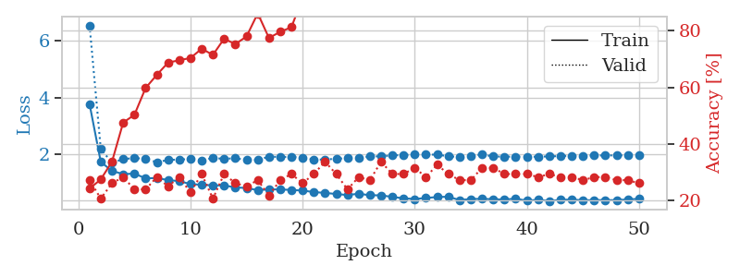
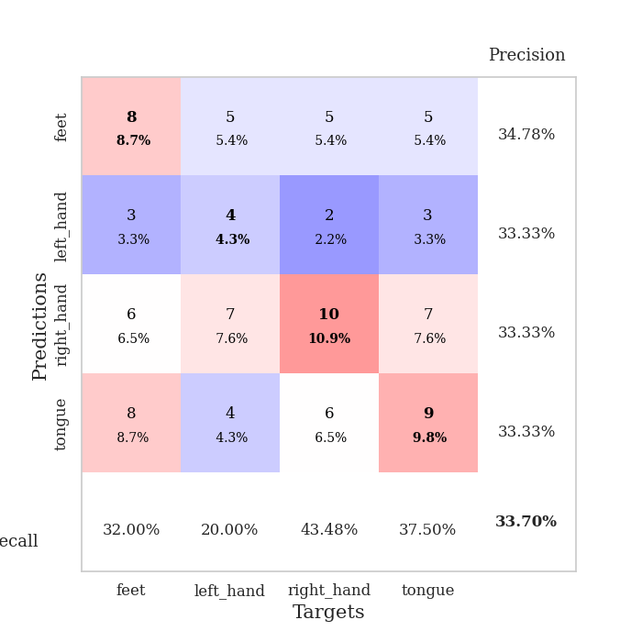
train_loss | valid_loss | train_accuracy | valid_accuracy | dur | train_misclass | valid_misclass
3.7641750885 | 6.5516631292 | 0.24184782609 | 0.27173913043 | 0.084114074707 | 24.184782609 | 27.173913043
1.7148218906 | 2.1723018418 | 0.27445652174 | 0.20652173913 | 0.082259893417 | 27.445652174 | 20.652173913
1.3980250099 | 1.6888853312 | 0.33695652174 | 0.26086956522 | 0.082402944565 | 33.695652174 | 26.086956522
1.2850603772 | 1.8146070501 | 0.47554347826 | 0.28260869565 | 0.082628250122 | 47.554347826 | 28.260869565
1.3018993113 | 1.8547807984 | 0.5027173913 | 0.23913043478 | 0.082561969757 | 50.27173913 | 23.913043478
1.1329831196 | 1.8220929581 | 0.59782608696 | 0.23913043478 | 0.082538127899 | 59.782608696 | 23.913043478
1.1476019543 | 1.704834964 | 0.64402173913 | 0.28260869565 | 0.085563182831 | 64.402173913 | 28.260869565
1.0711605808 | 1.7855107059 | 0.6875 | 0.25 | 0.082673311234 | 68.75 | 25
1.0371113497 | 1.8004963502 | 0.69565217391 | 0.28260869565 | 0.082467317581 | 69.565217391 | 28.260869565
0.93100278015 | 1.8162137322 | 0.70380434783 | 0.22826086957 | 0.09274315834 | 70.380434783 | 22.826086957
0.90616813432 | 1.7748038821 | 0.73641304348 | 0.29347826087 | 0.087092161179 | 73.641304348 | 29.347826087
0.8861282416 | 1.8538907559 | 0.71467391304 | 0.20652173913 | 0.082998275757 | 71.467391304 | 20.652173913
0.88285065734 | 1.8262306659 | 0.77173913043 | 0.29347826087 | 0.082512617111 | 77.173913043 | 29.347826087
0.81453398388 | 1.8453915689 | 0.7527173913 | 0.26086956522 | 0.082867622375 | 75.27173913 | 26.086956522
0.78999083198 | 1.7869613689 | 0.77989130435 | 0.25 | 0.082372665405 | 77.989130435 | 25
0.71524793557 | 1.7834301617 | 0.86141304348 | 0.27173913043 | 0.083675861359 | 86.141304348 | 27.173913043
0.74291103301 | 1.9050735132 | 0.77445652174 | 0.21739130435 | 0.083094835281 | 77.445652174 | 21.739130435
0.74216064292 | 1.8907990663 | 0.79619565217 | 0.27173913043 | 0.08292889595 | 79.619565217 | 27.173913043
0.72289123224 | 1.8927018176 | 0.8125 | 0.29347826087 | 0.084933757782 | 81.25 | 29.347826087
0.7015316305 | 1.8739939721 | 0.91576086957 | 0.26086956522 | 0.082861661911 | 91.576086957 | 26.086956522
0.64786097666 | 1.8039461011 | 0.89945652174 | 0.29347826087 | 0.083403110504 | 89.945652174 | 29.347826087
0.6185928324 | 1.7989529579 | 0.90217391304 | 0.33695652174 | 0.083443880081 | 90.217391304 | 33.695652174
0.57990291326 | 1.8302949978 | 0.95652173913 | 0.29347826087 | 0.086115121841 | 95.652173913 | 29.347826087
0.54261124976 | 1.8448178872 | 0.97554347826 | 0.23913043478 | 0.082693099976 | 97.554347826 | 23.913043478
0.58993499305 | 1.8641089201 | 0.95652173913 | 0.28260869565 | 0.082880973816 | 95.652173913 | 28.260869565
0.53569844819 | 1.9119222734 | 0.97010869565 | 0.27173913043 | 0.082370042801 | 97.010869565 | 27.173913043
0.53271280423 | 1.9133965658 | 0.97282608696 | 0.33695652174 | 0.082484960556 | 97.282608696 | 33.695652174
0.47618748053 | 1.9484497361 | 0.96739130435 | 0.29347826087 | 0.082442522049 | 96.739130435 | 29.347826087
0.42743988659 | 1.9587150657 | 0.97010869565 | 0.29347826087 | 0.082370519638 | 97.010869565 | 29.347826087
0.40273646039 | 1.9793455082 | 0.94293478261 | 0.3152173913 | 0.082483291626 | 94.293478261 | 31.52173913
0.43934519395 | 1.9733485502 | 0.96739130435 | 0.28260869565 | 0.082717418671 | 96.739130435 | 28.260869565
0.47205985111 | 1.9746558977 | 0.95652173913 | 0.32608695652 | 0.082953214645 | 95.652173913 | 32.608695652
0.48242206483 | 1.9130994807 | 0.97826086957 | 0.29347826087 | 0.083082675934 | 97.826086957 | 29.347826087
0.36441918657 | 1.8940443112 | 0.97282608696 | 0.27173913043 | 0.084061145782 | 97.282608696 | 27.173913043
0.4030534502 | 1.9388539325 | 0.97282608696 | 0.27173913043 | 0.083423852921 | 97.282608696 | 27.173913043
0.40660574352 | 1.9770427579 | 0.98641304348 | 0.3152173913 | 0.08408331871 | 98.641304348 | 31.52173913
0.39563250736 | 1.9107750395 | 0.9972826087 | 0.3152173913 | 0.084033250809 | 99.72826087 | 31.52173913
0.38195493007 | 1.8999933108 | 0.98913043478 | 0.29347826087 | 0.082705974579 | 98.913043478 | 29.347826087
0.41702916894 | 1.9067137604 | 0.99184782609 | 0.29347826087 | 0.082257509232 | 99.184782609 | 29.347826087
0.34086908465 | 1.9031481587 | 0.99456521739 | 0.29347826087 | 0.083402395248 | 99.456521739 | 29.347826087
0.37722438088 | 1.8979426467 | 0.98913043478 | 0.28260869565 | 0.098124504089 | 98.913043478 | 28.260869565
0.32994281986 | 1.9127580757 | 0.98913043478 | 0.29347826087 | 0.083395242691 | 98.913043478 | 29.347826087
0.37437034819 | 1.9220781741 | 0.9972826087 | 0.28260869565 | 0.083307504654 | 99.72826087 | 28.260869565
0.38115107041 | 1.9361573354 | 0.99456521739 | 0.28260869565 | 0.082708120346 | 99.456521739 | 28.260869565
0.35798927559 | 1.9365664617 | 0.9972826087 | 0.27173913043 | 0.082859992981 | 99.72826087 | 27.173913043
0.36297930032 | 1.9442983088 | 1 | 0.28260869565 | 0.083262443542 | 100 | 28.260869565
0.36554477267 | 1.9456499349 | 1 | 0.28260869565 | 0.086166620255 | 100 | 28.260869565
0.35980685962 | 1.9472912913 | 1 | 0.27173913043 | 0.083222150803 | 100 | 27.173913043
0.39027900929 | 1.9476744403 | 1 | 0.27173913043 | 0.083417415619 | 100 | 27.173913043
0.40666231254 | 1.9478559079 | 1 | 0.26086956522 | 0.08629655838 | 100 | 26.086956522

Best Val accuracy is 0.33695652173913043 and Best test accuracy is 0.35344827586206895

Sheet8
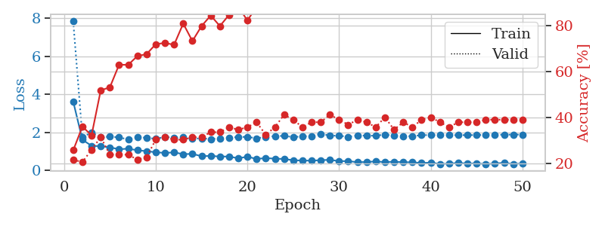
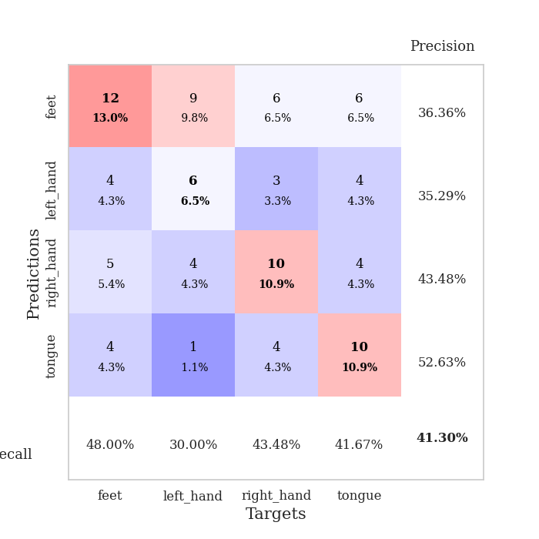
train_loss | valid_loss | train_accuracy | valid_accuracy | dur | train_misclass | valid_misclass
3.625890001 | 7.838084905 | 0.25815217391 | 0.21739130435 | 0.084255695343 | 25.815217391 | 21.739130435
1.6204441527 | 1.770289276 | 0.36141304348 | 0.20652173913 | 0.08322095871 | 36.141304348 | 20.652173913
1.3014724358 | 1.9928753324 | 0.32336956522 | 0.26086956522 | 0.083345413208 | 32.336956522 | 26.086956522
1.2801561978 | 1.7565815708 | 0.51902173913 | 0.3152173913 | 0.085859060287 | 51.902173913 | 31.52173913
1.2204762697 | 1.780395031 | 0.53260869565 | 0.23913043478 | 0.088135004044 | 53.260869565 | 23.913043478
1.1207073823 | 1.7475884013 | 0.63043478261 | 0.23913043478 | 0.087859630585 | 63.043478261 | 23.913043478
1.1512909713 | 1.6316477734 | 0.63043478261 | 0.23913043478 | 0.082416057587 | 63.043478261 | 23.913043478
1.0656582791 | 1.7554162948 | 0.66847826087 | 0.21739130435 | 0.082864761353 | 66.847826087 | 21.739130435
1.0204976538 | 1.7220318214 | 0.67663043478 | 0.22826086957 | 0.082470178604 | 67.663043478 | 22.826086957
0.96073636801 | 1.6697448181 | 0.72010869565 | 0.30434782609 | 0.082546234131 | 72.010869565 | 30.434782609
0.92743539033 | 1.7643281221 | 0.72554347826 | 0.3152173913 | 0.082441329956 | 72.554347826 | 31.52173913
0.95504970913 | 1.7351036435 | 0.71739130435 | 0.30434782609 | 0.083149909973 | 71.739130435 | 30.434782609
0.86178729327 | 1.7650958714 | 0.8097826087 | 0.30434782609 | 0.082458496094 | 80.97826087 | 30.434782609
0.87740581191 | 1.6780141488 | 0.73369565217 | 0.3152173913 | 0.085201025009 | 73.369565217 | 31.52173913
0.75465338904 | 1.6928908877 | 0.79891304348 | 0.3152173913 | 0.082185268402 | 79.891304348 | 31.52173913
0.77154652969 | 1.6566418098 | 0.84510869565 | 0.33695652174 | 0.082090377808 | 84.510869565 | 33.695652174
0.73616761099 | 1.6898031494 | 0.79891304348 | 0.33695652174 | 0.082469701767 | 79.891304348 | 33.695652174
0.73798476743 | 1.7311179379 | 0.84782608696 | 0.35869565217 | 0.082924604416 | 84.782608696 | 35.869565217
0.64551722615 | 1.7628143767 | 0.88315217391 | 0.34782608696 | 0.084916114807 | 88.315217391 | 34.782608696
0.72680843265 | 1.7728403081 | 0.82336956522 | 0.35869565217 | 0.085646867752 | 82.336956522 | 35.869565217
0.6130843033 | 1.6938902606 | 0.88315217391 | 0.38043478261 | 0.081930398941 | 88.315217391 | 38.043478261
0.65471327305 | 1.7715496654 | 0.88858695652 | 0.32608695652 | 0.083494186401 | 88.858695652 | 32.608695652
0.62676249639 | 1.8106082833 | 0.90489130435 | 0.35869565217 | 0.08519411087 | 90.489130435 | 35.869565217
0.60833496762 | 1.8239966683 | 0.91032608696 | 0.41304347826 | 0.085888385773 | 91.032608696 | 41.304347826
0.543108979 | 1.7592101719 | 0.92934782609 | 0.39130434783 | 0.082050561905 | 92.934782609 | 39.130434783
0.52629085209 | 1.7973566003 | 0.88586956522 | 0.35869565217 | 0.082364559174 | 88.586956522 | 35.869565217
0.52156865985 | 1.8159856589 | 0.94565217391 | 0.38043478261 | 0.081961870193 | 94.565217391 | 38.043478261
0.54456090409 | 1.9331879771 | 0.94565217391 | 0.38043478261 | 0.081990480423 | 94.565217391 | 38.043478261
0.56524731543 | 1.8346934163 | 0.95108695652 | 0.41304347826 | 0.082002162933 | 95.108695652 | 41.304347826
0.4942428664 | 1.8324798968 | 0.94836956522 | 0.39130434783 | 0.085552453995 | 94.836956522 | 39.130434783
0.49661155952 | 1.7734743616 | 0.96739130435 | 0.36956521739 | 0.083182811737 | 96.739130435 | 36.956521739
0.4391081547 | 1.8507489743 | 0.9375 | 0.39130434783 | 0.082983493805 | 93.75 | 39.130434783
0.45142600523 | 1.8332625472 | 0.98641304348 | 0.38043478261 | 0.083526134491 | 98.641304348 | 38.043478261
0.47904850737 | 1.833864212 | 0.96195652174 | 0.35869565217 | 0.085438966751 | 96.195652174 | 35.869565217
0.44506181129 | 1.893475035 | 0.98641304348 | 0.40217391304 | 0.083113431931 | 98.641304348 | 40.217391304
0.46451924741 | 1.8263880325 | 0.98641304348 | 0.34782608696 | 0.082392215729 | 98.641304348 | 34.782608696
0.44088326459 | 1.8021476321 | 0.98641304348 | 0.38043478261 | 0.082552909851 | 98.641304348 | 38.043478261
0.43546946541 | 1.8088301731 | 0.98913043478 | 0.35869565217 | 0.084448575974 | 98.913043478 | 35.869565217
0.39599430691 | 1.8612805657 | 0.98913043478 | 0.39130434783 | 0.086167573929 | 98.913043478 | 39.130434783
0.41773447524 | 1.8652403614 | 0.99184782609 | 0.40217391304 | 0.084352493286 | 99.184782609 | 40.217391304
0.34507055483 | 1.8597351209 | 0.99184782609 | 0.38043478261 | 0.084096193314 | 99.184782609 | 38.043478261
0.36588899467 | 1.8598668057 | 0.98641304348 | 0.35869565217 | 0.083658695221 | 98.641304348 | 35.869565217
0.39659425292 | 1.8620199691 | 0.99456521739 | 0.38043478261 | 0.08442735672 | 99.456521739 | 38.043478261
0.36961878577 | 1.8628359204 | 0.99456521739 | 0.38043478261 | 0.085375547409 | 99.456521739 | 38.043478261
0.37680681374 | 1.8660537523 | 0.99456521739 | 0.38043478261 | 0.085364341736 | 99.456521739 | 38.043478261
0.34105986843 | 1.8751482704 | 0.99456521739 | 0.39130434783 | 0.085101604462 | 99.456521739 | 39.130434783
0.3680166505 | 1.8819005438 | 0.99456521739 | 0.39130434783 | 0.085613965988 | 99.456521739 | 39.130434783
0.40813665481 | 1.8856633642 | 0.99456521739 | 0.39130434783 | 0.084909915924 | 99.456521739 | 39.130434783
0.34077182607 | 1.8899909465 | 0.99456521739 | 0.39130434783 | 0.084729909897 | 99.456521739 | 39.130434783
0.37763051883 | 1.8926026458 | 0.99456521739 | 0.39130434783 | 0.084409236908 | 99.456521739 | 39.130434783

Best Val accuracy is 0.41304347826086957 and Best test accuracy is 0.3275862068965517

Sheet9
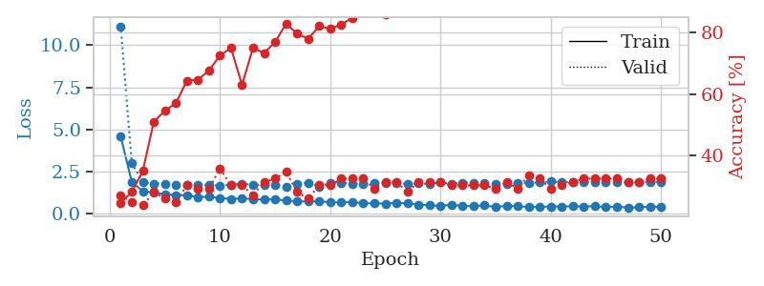
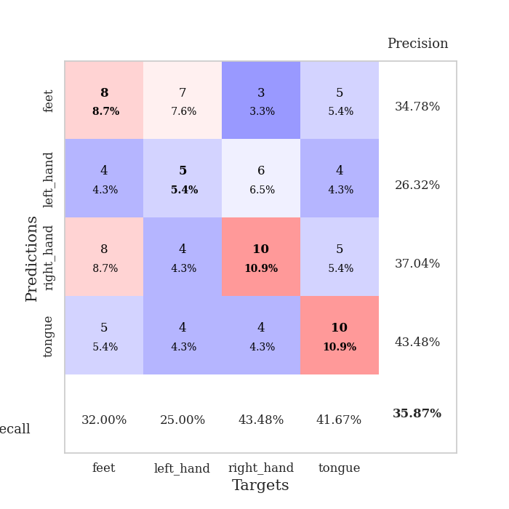
train_loss | valid_loss | train_accuracy | valid_accuracy | dur | train_misclass | valid_misclass
4.5885564244 | 11.118670546 | 0.2472826087 | 0.27173913043 | 0.085566997528 | 24.72826087 | 27.173913043
1.9043349857 | 2.9941904959 | 0.28260869565 | 0.25 | 0.08246421814 | 28.260869565 | 25
1.3464255203 | 1.8988606515 | 0.35054347826 | 0.23913043478 | 0.082354307175 | 35.054347826 | 23.913043478
1.2662357662 | 1.7893343594 | 0.51086956522 | 0.28260869565 | 0.082720041275 | 51.086956522 | 28.260869565
1.1796128128 | 1.8026003319 | 0.54619565217 | 0.26086956522 | 0.083687067032 | 54.619565217 | 26.086956522
1.1173362654 | 1.7027459196 | 0.57065217391 | 0.25 | 0.083038806915 | 57.065217391 | 25
1.1140519588 | 1.7102073794 | 0.64402173913 | 0.30434782609 | 0.082738399506 | 64.402173913 | 30.434782609
1.0013708213 | 1.6943909137 | 0.64673913043 | 0.29347826087 | 0.085797309875 | 64.673913043 | 29.347826087
1.0225978753 | 1.7206990563 | 0.67663043478 | 0.29347826087 | 0.083154439926 | 67.663043478 | 29.347826087
0.94053212974 | 1.6793967071 | 0.72554347826 | 0.35869565217 | 0.082896471024 | 72.554347826 | 35.869565217
0.89812844733 | 1.7360615471 | 0.75 | 0.30434782609 | 0.082562685013 | 75 | 30.434782609
0.92061991795 | 1.7871032953 | 0.63043478261 | 0.30434782609 | 0.085116386414 | 63.043478261 | 30.434782609
0.88991738143 | 1.7378662306 | 0.75 | 0.27173913043 | 0.082531690598 | 75 | 27.173913043
0.84994896858 | 1.7012398347 | 0.73369565217 | 0.3152173913 | 0.084264755249 | 73.369565217 | 31.52173913
0.88425504384 | 1.7060862209 | 0.76902173913 | 0.32608695652 | 0.083411931992 | 76.902173913 | 32.608695652
0.78991722542 | 1.6109880935 | 0.82880434783 | 0.34782608696 | 0.083217144012 | 82.880434783 | 34.782608696
0.75874493951 | 1.7913380706 | 0.79619565217 | 0.28260869565 | 0.08257651329 | 79.619565217 | 28.260869565
0.73415573395 | 1.8284955232 | 0.77989130435 | 0.26086956522 | 0.083180189133 | 77.989130435 | 26.086956522
0.76205159659 | 1.633253393 | 0.82065217391 | 0.30434782609 | 0.083552598953 | 82.065217391 | 30.434782609
0.68814401393 | 1.8489273372 | 0.8125 | 0.30434782609 | 0.083919048309 | 81.25 | 30.434782609
0.686411706 | 1.8601857683 | 0.82608695652 | 0.32608695652 | 0.083783149719 | 82.608695652 | 32.608695652
0.70702679909 | 1.7817188605 | 0.84782608696 | 0.32608695652 | 0.084125041962 | 84.782608696 | 32.608695652
0.63613544599 | 1.7966383592 | 0.88315217391 | 0.32608695652 | 0.084632873535 | 88.315217391 | 32.608695652
0.62737280001 | 1.8447056076 | 0.89673913043 | 0.29347826087 | 0.083565711975 | 89.673913043 | 29.347826087
0.61794198985 | 1.8403404225 | 0.85869565217 | 0.3152173913 | 0.083762168884 | 85.869565217 | 31.52173913
0.66203444419 | 1.8070476573 | 0.90760869565 | 0.3152173913 | 0.084869146347 | 90.760869565 | 31.52173913
0.62857437652 | 1.7889200553 | 0.89130434783 | 0.28260869565 | 0.084020137787 | 89.130434783 | 28.260869565
0.55121442416 | 1.8120399506 | 0.90489130435 | 0.3152173913 | 0.083426713943 | 90.489130435 | 31.52173913
0.52217266611 | 1.7865631943 | 0.9402173913 | 0.3152173913 | 0.082696914673 | 94.02173913 | 31.52173913
0.47053850475 | 1.8692171314 | 0.92119565217 | 0.3152173913 | 0.082587957382 | 92.119565217 | 31.52173913
0.54703937471 | 1.7885048545 | 0.92934782609 | 0.30434782609 | 0.082474946976 | 92.934782609 | 30.434782609
0.47204882814 | 1.8572846496 | 0.9375 | 0.30434782609 | 0.083567857742 | 93.75 | 30.434782609
0.46633358041 | 1.8440111046 | 0.9375 | 0.30434782609 | 0.083847522736 | 93.75 | 30.434782609
0.51230913854 | 1.8358118016 | 0.92119565217 | 0.30434782609 | 0.084142684937 | 92.119565217 | 30.434782609
0.41139184457 | 1.7956987827 | 0.89402173913 | 0.29347826087 | 0.083886861801 | 89.402173913 | 29.347826087
0.48879393482 | 1.7581586216 | 0.90489130435 | 0.3152173913 | 0.082508325577 | 90.489130435 | 31.52173913
0.45652193868 | 1.8205790934 | 0.92391304348 | 0.29347826087 | 0.082880735397 | 92.391304348 | 29.347826087
0.4224469409 | 1.8381472671 | 0.92934782609 | 0.33695652174 | 0.083734750748 | 92.934782609 | 33.695652174
0.42427464218 | 1.8735286257 | 0.9347826087 | 0.32608695652 | 0.084643125534 | 93.47826087 | 32.608695652
0.44869736031 | 1.9218904402 | 0.92119565217 | 0.29347826087 | 0.083905696869 | 92.119565217 | 29.347826087
0.43612431443 | 1.8800440249 | 0.95108695652 | 0.30434782609 | 0.082447767258 | 95.108695652 | 30.434782609
0.46650916338 | 1.9016826256 | 0.9375 | 0.3152173913 | 0.082671642303 | 93.75 | 31.52173913
0.43075246785 | 1.8906826196 | 0.95380434783 | 0.32608695652 | 0.08260512352 | 95.380434783 | 32.608695652
0.47342026817 | 1.8873562657 | 0.95380434783 | 0.32608695652 | 0.082589387894 | 95.380434783 | 32.608695652
0.41255941015 | 1.8949600458 | 0.96195652174 | 0.32608695652 | 0.082576036453 | 96.195652174 | 32.608695652
0.43374211114 | 1.90176941 | 0.96195652174 | 0.32608695652 | 0.084633350372 | 96.195652174 | 32.608695652
0.38082276414 | 1.9019182869 | 0.96195652174 | 0.3152173913 | 0.082458019257 | 96.195652174 | 31.52173913
0.39684806311 | 1.903551677 | 0.96467391304 | 0.3152173913 | 0.082351446152 | 96.467391304 | 31.52173913
0.43546251564 | 1.9060664229 | 0.96739130435 | 0.32608695652 | 0.082452058792 | 96.739130435 | 32.608695652
0.41509642225 | 1.9072643415 | 0.96739130435 | 0.32608695652 | 0.082755565643 | 96.739130435 | 32.608695652

Best Val accuracy is 0.358695652173913 and Best test accuracy is 0.25

Sheet10
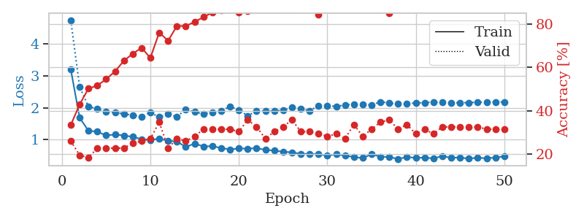
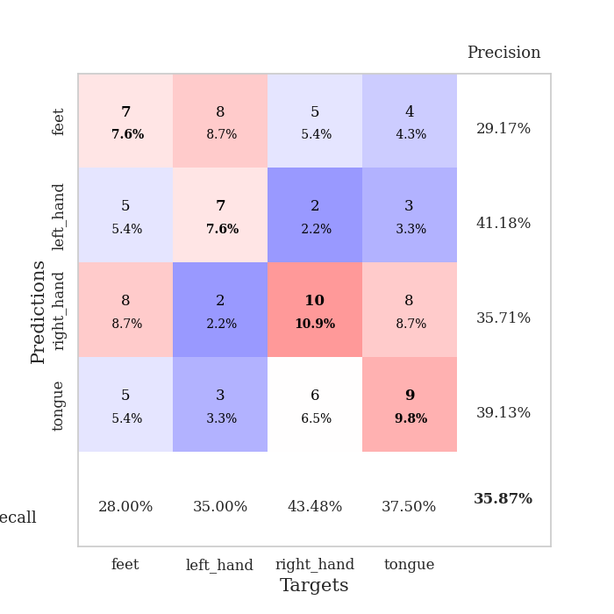
train_loss | valid_loss | train_accuracy | valid_accuracy | dur | train_misclass | valid_misclass
3.2018426242 | 4.7456844579 | 0.33423913043 | 0.26086956522 | 0.085034370422 | 33.423913043 | 26.086956522
1.6865933252 | 2.6529062935 | 0.42934782609 | 0.19565217391 | 0.08314538002 | 42.934782609 | 19.565217391
1.27932038 | 2.0353879203 | 0.5027173913 | 0.1847826087 | 0.082703590393 | 50.27173913 | 18.47826087
1.2471482106 | 1.9666271106 | 0.51630434783 | 0.22826086957 | 0.082772731781 | 51.630434783 | 22.826086957
1.1331968178 | 1.881867896 | 0.54619565217 | 0.22826086957 | 0.083299636841 | 54.619565217 | 22.826086957
1.1594375061 | 1.846777605 | 0.58152173913 | 0.22826086957 | 0.083048343658 | 58.152173913 | 22.826086957
1.1306565404 | 1.8069843728 | 0.63043478261 | 0.22826086957 | 0.082644224167 | 63.043478261 | 22.826086957
1.0871953394 | 1.7660129122 | 0.66304347826 | 0.25 | 0.082846641541 | 66.304347826 | 25
1.0166351432 | 1.722566729 | 0.6902173913 | 0.26086956522 | 0.083128452301 | 69.02173913 | 26.086956522
0.98936164638 | 1.8467120088 | 0.64402173913 | 0.27173913043 | 0.083174943924 | 64.402173913 | 27.173913043
1.0292254738 | 1.7095753317 | 0.76086956522 | 0.34782608696 | 0.083119392395 | 76.086956522 | 34.782608696
0.96277805774 | 1.7984514858 | 0.72282608696 | 0.22826086957 | 0.083034753799 | 72.282608696 | 22.826086957
0.94196427646 | 1.7204233512 | 0.79076086957 | 0.27173913043 | 0.082892656326 | 79.076086957 | 27.173913043
0.76937793908 | 1.942878889 | 0.79076086957 | 0.26086956522 | 0.082832813263 | 79.076086957 | 26.086956522
0.87687302024 | 1.8691407494 | 0.8097826087 | 0.28260869565 | 0.083414554596 | 80.97826087 | 28.260869565
0.78728317178 | 1.8045938948 | 0.83152173913 | 0.3152173913 | 0.083786010742 | 83.152173913 | 31.52173913
0.79566854757 | 1.857066792 | 0.85326086957 | 0.3152173913 | 0.084322214127 | 85.326086957 | 31.52173913
0.7380370394 | 1.9052948433 | 0.86413043478 | 0.3152173913 | 0.08406996727 | 86.413043478 | 31.52173913
0.69299200825 | 2.0315776804 | 0.88858695652 | 0.3152173913 | 0.084342241287 | 88.858695652 | 31.52173913
0.72720199305 | 1.9323141057 | 0.85326086957 | 0.30434782609 | 0.084085941315 | 85.326086957 | 30.434782609
0.71601312057 | 1.7449038703 | 0.86141304348 | 0.35869565217 | 0.084487199783 | 86.141304348 | 35.869565217
0.73598245952 | 1.9015277158 | 0.88586956522 | 0.32608695652 | 0.085355997086 | 88.586956522 | 32.608695652
0.67734835459 | 1.8934568219 | 0.90217391304 | 0.27173913043 | 0.083988189697 | 90.217391304 | 27.173913043
0.65583002049 | 1.8927260482 | 0.875 | 0.30434782609 | 0.084207773209 | 87.5 | 30.434782609
0.62164030516 | 1.9231163833 | 0.86684782609 | 0.32608695652 | 0.084196329117 | 86.684782609 | 32.608695652
0.6031096474 | 2.0091046354 | 0.86684782609 | 0.35869565217 | 0.08308672905 | 86.684782609 | 35.869565217
0.55249620261 | 1.9742864837 | 0.92391304348 | 0.30434782609 | 0.083541631699 | 92.391304348 | 30.434782609
0.55529148877 | 1.9032047521 | 0.9375 | 0.30434782609 | 0.084577798843 | 93.75 | 30.434782609
0.54116418245 | 2.0674938223 | 0.84239130435 | 0.29347826087 | 0.08426451683 | 84.239130435 | 29.347826087
0.50677684014 | 2.068667671 | 0.92663043478 | 0.28260869565 | 0.083562612534 | 92.663043478 | 28.260869565
0.53862801194 | 2.0370204967 | 0.89130434783 | 0.29347826087 | 0.082638025284 | 89.130434783 | 29.347826087
0.50247156231 | 2.0885462865 | 0.9375 | 0.27173913043 | 0.083066940308 | 93.75 | 27.173913043
0.45263968214 | 2.1124950181 | 0.88315217391 | 0.33695652174 | 0.084186553955 | 88.315217391 | 33.695652174
0.42327123492 | 2.093807915 | 0.92391304348 | 0.28260869565 | 0.084489345551 | 92.391304348 | 28.260869565
0.54348372117 | 2.0885101712 | 0.91304347826 | 0.3152173913 | 0.083734273911 | 91.304347826 | 31.52173913
0.46779834317 | 2.1822882424 | 0.86684782609 | 0.34782608696 | 0.082882165909 | 86.684782609 | 34.782608696
0.45448371314 | 2.1521094986 | 0.85054347826 | 0.35869565217 | 0.082838058472 | 85.054347826 | 35.869565217
0.39456547862 | 2.1174281265 | 0.92391304348 | 0.3152173913 | 0.083363294601 | 92.391304348 | 31.52173913
0.45529965214 | 2.1268022371 | 0.9347826087 | 0.33695652174 | 0.082985162735 | 93.47826087 | 33.695652174
0.42819324848 | 2.1467685803 | 0.95380434783 | 0.29347826087 | 0.084829330444 | 95.380434783 | 29.347826087
0.43667152589 | 2.1611289045 | 0.9347826087 | 0.3152173913 | 0.086246728897 | 93.47826087 | 31.52173913
0.41178493331 | 2.1741503114 | 0.93206521739 | 0.29347826087 | 0.084723234177 | 93.206521739 | 29.347826087
0.48417703095 | 2.1653300472 | 0.9347826087 | 0.32608695652 | 0.083072185516 | 93.47826087 | 32.608695652
0.43106288107 | 2.1522503521 | 0.94293478261 | 0.32608695652 | 0.083003520966 | 94.293478261 | 32.608695652
0.44238153489 | 2.1566663929 | 0.9347826087 | 0.32608695652 | 0.083417892456 | 93.47826087 | 32.608695652
0.40075945206 | 2.161161091 | 0.9375 | 0.32608695652 | 0.082887887955 | 93.75 | 32.608695652
0.43972971582 | 2.1698149495 | 0.92934782609 | 0.32608695652 | 0.082744598389 | 92.934782609 | 32.608695652
0.40736179443 | 2.1752511107 | 0.9375 | 0.3152173913 | 0.083975553513 | 93.75 | 31.52173913
0.44393859609 | 2.1782023285 | 0.9375 | 0.3152173913 | 0.083880901337 | 93.75 | 31.52173913
0.46915575538 | 2.1812070349 | 0.9375 | 0.3152173913 | 0.083692550659 | 93.75 | 31.52173913

Best Val accuracy is 0.358695652173913 and Best test accuracy is 0.4051724137931034

