Sheet
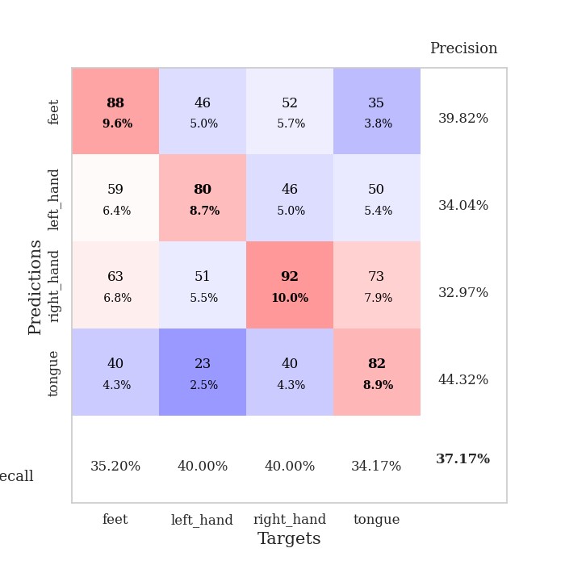
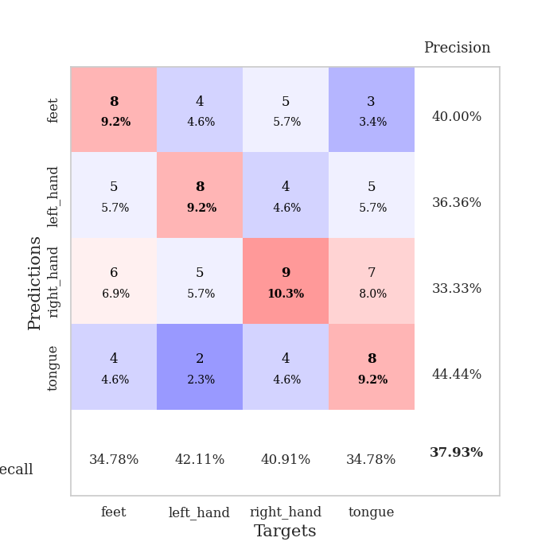
best_val_acc | best_val_los | best_test_acc
0.42391304348 | 1.4476070249 | 0.36206896552
0.30434782609 | 1.748479102 | 0.27586206897
0.39130434783 | 1.7320444014 | 0.31034482759
0.4347826087 | 1.7136319876 | 0.41379310345
0.39130434783 | 1.4642833627 | 0.38793103448
0.38043478261 | 1.4857859145 | 0.36206896552
0.33695652174 | 1.731029241 | 0.38793103448
0.34782608696 | 1.8029028385 | 0.25862068966
0.35869565217 | 1.6560216313 | 0.25862068966
0.34782608696 | 1.8307719645 | 0.30172413793

Mean,std Val accuracy is 0.3717391304347826 , 0.04028099162228201 and mean, std test accuracy is 0.331896551724138 , 0.05779363609516886

Sheet1
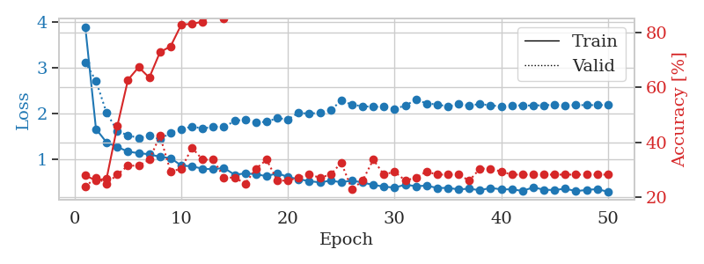
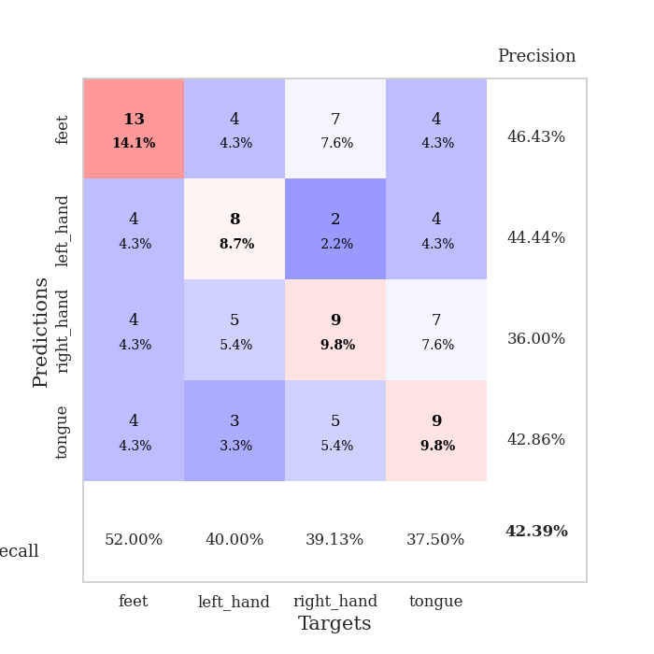
train_loss | valid_loss | train_accuracy | valid_accuracy | dur | train_misclass | valid_misclass
3.8827425552 | 3.1210114334 | 0.27989130435 | 0.23913043478 | 0.082498073578 | 27.989130435 | 23.913043478
1.6684061185 | 2.7123111124 | 0.26086956522 | 0.27173913043 | 0.088866472244 | 26.086956522 | 27.173913043
1.3747142916 | 2.0154579982 | 0.26902173913 | 0.25 | 0.083226919174 | 26.902173913 | 25
1.2792583134 | 1.6285098325 | 0.45923913043 | 0.28260869565 | 0.082811355591 | 45.923913043 | 28.260869565
1.174952564 | 1.5264672248 | 0.6277173913 | 0.3152173913 | 0.082519292831 | 62.77173913 | 31.52173913
1.1433724269 | 1.4762569407 | 0.67391304348 | 0.3152173913 | 0.082740068436 | 67.391304348 | 31.52173913
1.1183632871 | 1.5180131249 | 0.63586956522 | 0.33695652174 | 0.086223363876 | 63.586956522 | 33.695652174
1.0627115136 | 1.4476070249 | 0.72826086957 | 0.42391304348 | 0.084812641144 | 72.826086957 | 42.391304348
1.0345896171 | 1.5856591774 | 0.75 | 0.29347826087 | 0.083332538605 | 75 | 29.347826087
0.87326738368 | 1.6535119596 | 0.82880434783 | 0.30434782609 | 0.082981109619 | 82.880434783 | 30.434782609
0.85641784772 | 1.7253898071 | 0.83152173913 | 0.38043478261 | 0.082900762558 | 83.152173913 | 38.043478261
0.80394877688 | 1.6733203764 | 0.83967391304 | 0.33695652174 | 0.083470582962 | 83.967391304 | 33.695652174
0.79363925561 | 1.7211030048 | 0.86956521739 | 0.33695652174 | 0.083604335785 | 86.956521739 | 33.695652174
0.82094799695 | 1.7072878765 | 0.85054347826 | 0.27173913043 | 0.08447098732 | 85.054347826 | 27.173913043
0.67341907905 | 1.8435600063 | 0.88043478261 | 0.27173913043 | 0.083301782608 | 88.043478261 | 27.173913043
0.70247904373 | 1.8730783307 | 0.8722826087 | 0.25 | 0.082986593246 | 87.22826087 | 25
0.68545893612 | 1.8074872131 | 0.89945652174 | 0.30434782609 | 0.083805561066 | 89.945652174 | 30.434782609
0.64083406329 | 1.8254282008 | 0.92119565217 | 0.33695652174 | 0.084504365921 | 92.119565217 | 33.695652174
0.70783123244 | 1.9027431892 | 0.89130434783 | 0.26086956522 | 0.083407640457 | 89.130434783 | 26.086956522
0.62329402307 | 1.8779024041 | 0.93206521739 | 0.26086956522 | 0.083605051041 | 93.206521739 | 26.086956522
0.57785986558 | 2.0207314906 | 0.92934782609 | 0.27173913043 | 0.084476470947 | 92.934782609 | 27.173913043
0.53356195986 | 1.9978695901 | 0.92663043478 | 0.28260869565 | 0.084363698959 | 92.663043478 | 28.260869565
0.50788863586 | 2.0254215002 | 0.9402173913 | 0.27173913043 | 0.083236932755 | 94.02173913 | 27.173913043
0.54493290316 | 2.0774743246 | 0.91032608696 | 0.28260869565 | 0.083201408386 | 91.032608696 | 28.260869565
0.51055904575 | 2.282002532 | 0.89402173913 | 0.32608695652 | 0.083385229111 | 89.402173913 | 32.608695652
0.54723436288 | 2.1970333016 | 0.92119565217 | 0.22826086957 | 0.082890272141 | 92.119565217 | 22.826086957
0.50340952951 | 2.160401194 | 0.9402173913 | 0.26086956522 | 0.084940910339 | 94.02173913 | 26.086956522
0.45293649383 | 2.1514106989 | 0.94565217391 | 0.33695652174 | 0.086138248444 | 94.565217391 | 33.695652174
0.41583058627 | 2.1500032829 | 0.95380434783 | 0.28260869565 | 0.08422088623 | 95.380434783 | 28.260869565
0.39304677559 | 2.1047678149 | 0.98913043478 | 0.29347826087 | 0.083240032196 | 98.913043478 | 29.347826087
0.45690965134 | 2.175887113 | 0.98097826087 | 0.26086956522 | 0.083243608475 | 98.097826087 | 26.086956522
0.42501800216 | 2.3050472788 | 0.92663043478 | 0.27173913043 | 0.083285570145 | 92.663043478 | 27.173913043
0.43671350246 | 2.2233122069 | 0.97010869565 | 0.29347826087 | 0.082981348038 | 97.010869565 | 29.347826087
0.38575447318 | 2.2000479543 | 0.97554347826 | 0.28260869565 | 0.08288025856 | 97.554347826 | 28.260869565
0.3872452639 | 2.1569033498 | 0.96467391304 | 0.28260869565 | 0.083388090134 | 96.467391304 | 28.260869565
0.35498248105 | 2.2077428517 | 0.96467391304 | 0.28260869565 | 0.083412647247 | 96.467391304 | 28.260869565
0.3705813794 | 2.1761216651 | 0.97826086957 | 0.26086956522 | 0.083214759827 | 97.826086957 | 26.086956522
0.33577675016 | 2.2105637841 | 0.95380434783 | 0.30434782609 | 0.083156585693 | 95.380434783 | 30.434782609
0.38753331744 | 2.1784774894 | 0.95923913043 | 0.30434782609 | 0.083181619644 | 95.923913043 | 30.434782609
0.35524596533 | 2.1630998643 | 0.97010869565 | 0.29347826087 | 0.083893299103 | 97.010869565 | 29.347826087
0.35652898641 | 2.1843669518 | 0.96739130435 | 0.28260869565 | 0.083144903183 | 96.739130435 | 28.260869565
0.32203051577 | 2.1775989325 | 0.97010869565 | 0.28260869565 | 0.082792282104 | 97.010869565 | 28.260869565
0.39915454971 | 2.1787291195 | 0.97826086957 | 0.28260869565 | 0.0827896595 | 97.826086957 | 28.260869565
0.34801831841 | 2.183930397 | 0.97282608696 | 0.28260869565 | 0.082859754562 | 97.282608696 | 28.260869565
0.34072344847 | 2.1943860002 | 0.97282608696 | 0.28260869565 | 0.0829205513 | 97.282608696 | 28.260869565
0.3710184946 | 2.1824577788 | 0.97554347826 | 0.28260869565 | 0.082875013351 | 97.554347826 | 28.260869565
0.31759722693 | 2.1869843524 | 0.97826086957 | 0.28260869565 | 0.082888841629 | 97.826086957 | 28.260869565
0.34275954184 | 2.1864759974 | 0.97826086957 | 0.28260869565 | 0.08344078064 | 97.826086957 | 28.260869565
0.36149129531 | 2.186916937 | 0.97826086957 | 0.28260869565 | 0.082993984222 | 97.826086957 | 28.260869565
0.3037713047 | 2.1895450872 | 0.97826086957 | 0.28260869565 | 0.08337688446 | 97.826086957 | 28.260869565

Best Val accuracy is 0.42391304347826086 and Best test accuracy is 0.3620689655172414

Sheet2
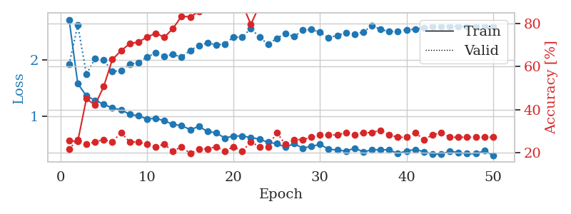
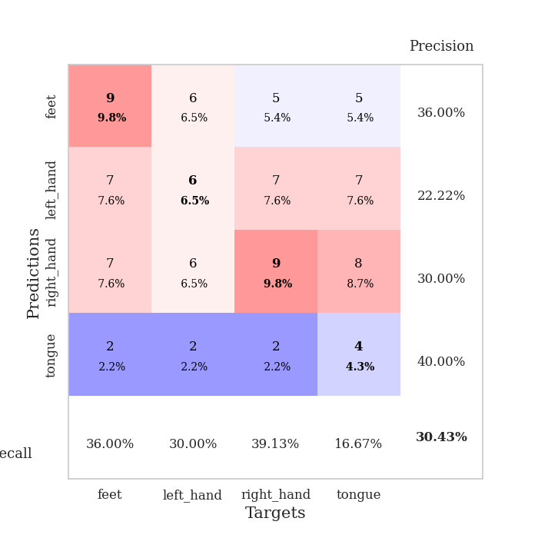
train_loss | valid_loss | train_accuracy | valid_accuracy | dur | train_misclass | valid_misclass
2.7142980254 | 1.9225164704 | 0.25543478261 | 0.21739130435 | 0.083709478378 | 25.543478261 | 21.739130435
1.582144447 | 2.6169593334 | 0.2527173913 | 0.26086956522 | 0.084569692612 | 25.27173913 | 26.086956522
1.3653013706 | 1.748479102 | 0.45108695652 | 0.23913043478 | 0.082918643951 | 45.108695652 | 23.913043478
1.2879650567 | 2.027864337 | 0.42119565217 | 0.25 | 0.082423686981 | 42.119565217 | 25
1.216945529 | 1.9958380875 | 0.50815217391 | 0.26086956522 | 0.082413673401 | 50.815217391 | 26.086956522
1.150680529 | 1.8026208618 | 0.63315217391 | 0.25 | 0.087611198425 | 63.315217391 | 25
1.1192552706 | 1.8086969127 | 0.67391304348 | 0.29347826087 | 0.082449674606 | 67.391304348 | 29.347826087
1.0399700092 | 1.9258406732 | 0.70652173913 | 0.25 | 0.087324857712 | 70.652173913 | 25
1.0128781485 | 1.9533185855 | 0.71467391304 | 0.25 | 0.085419416428 | 71.467391304 | 25
0.95769871836 | 2.0538196771 | 0.73641304348 | 0.23913043478 | 0.084094762802 | 73.641304348 | 23.913043478
0.96897658835 | 2.1238445925 | 0.75543478261 | 0.22826086957 | 0.084015369415 | 75.543478261 | 22.826086957
0.92437908442 | 2.065936555 | 0.73641304348 | 0.23913043478 | 0.082720518112 | 73.641304348 | 23.913043478
0.86196084385 | 2.0999096269 | 0.77717391304 | 0.20652173913 | 0.082229614258 | 77.717391304 | 20.652173913
0.83703996047 | 2.0520910387 | 0.83423913043 | 0.22826086957 | 0.085170507431 | 83.423913043 | 22.826086957
0.77024187212 | 2.1716504512 | 0.83152173913 | 0.19565217391 | 0.084292411804 | 83.152173913 | 19.565217391
0.82181131321 | 2.2538930333 | 0.85597826087 | 0.21739130435 | 0.083708524704 | 85.597826087 | 21.739130435
0.73735431096 | 2.3015272203 | 0.88586956522 | 0.21739130435 | 0.083466053009 | 88.586956522 | 21.739130435
0.71017813423 | 2.2679888373 | 0.88858695652 | 0.22826086957 | 0.083322763443 | 88.858695652 | 22.826086957
0.61958417944 | 2.2835481167 | 0.8722826087 | 0.20652173913 | 0.083255052567 | 87.22826087 | 20.652173913
0.65725597221 | 2.4045206878 | 0.88858695652 | 0.22826086957 | 0.08299446106 | 88.858695652 | 22.826086957
0.65463065064 | 2.4014526139 | 0.89402173913 | 0.20652173913 | 0.08260011673 | 89.402173913 | 20.652173913
0.63090476782 | 2.5581115329 | 0.79619565217 | 0.25 | 0.082756280899 | 79.619565217 | 25
0.59892487137 | 2.4059063559 | 0.88315217391 | 0.22826086957 | 0.082440853119 | 88.315217391 | 22.826086957
0.54415906123 | 2.2763221575 | 0.92391304348 | 0.22826086957 | 0.082800865173 | 92.391304348 | 22.826086957
0.52130284646 | 2.3846063718 | 0.88858695652 | 0.29347826087 | 0.082934856415 | 88.858695652 | 29.347826087
0.45694790845 | 2.4692613249 | 0.93206521739 | 0.23913043478 | 0.082706689835 | 93.206521739 | 23.913043478
0.51934020869 | 2.4130974023 | 0.94565217391 | 0.26086956522 | 0.082378864288 | 94.565217391 | 26.086956522
0.44244254024 | 2.527858703 | 0.94836956522 | 0.26086956522 | 0.08250784874 | 94.836956522 | 26.086956522
0.47196672403 | 2.5435195487 | 0.95108695652 | 0.27173913043 | 0.082682609558 | 95.108695652 | 27.173913043
0.50785846036 | 2.4880747069 | 0.9402173913 | 0.28260869565 | 0.082201004028 | 94.02173913 | 28.260869565
0.42123271201 | 2.3936220356 | 0.95380434783 | 0.28260869565 | 0.082785129547 | 95.380434783 | 28.260869565
0.40922247262 | 2.4351835976 | 0.94293478261 | 0.28260869565 | 0.083332538605 | 94.293478261 | 28.260869565
0.38643324634 | 2.4819369627 | 0.92119565217 | 0.29347826087 | 0.082413673401 | 92.119565217 | 29.347826087
0.4409061748 | 2.4594861424 | 0.97826086957 | 0.28260869565 | 0.082781553268 | 97.826086957 | 28.260869565
0.37761171356 | 2.4926996127 | 0.95923913043 | 0.29347826087 | 0.082906723022 | 95.923913043 | 29.347826087
0.40754666017 | 2.6100587223 | 0.94293478261 | 0.29347826087 | 0.082404136658 | 94.293478261 | 29.347826087
0.41568004178 | 2.5426993785 | 0.98097826087 | 0.30434782609 | 0.082445383072 | 98.097826087 | 30.434782609
0.40714418046 | 2.5009296355 | 0.98369565217 | 0.28260869565 | 0.082555294037 | 98.369565217 | 28.260869565
0.34724338288 | 2.5089093913 | 0.97826086957 | 0.27173913043 | 0.08269906044 | 97.826086957 | 27.173913043
0.39079993315 | 2.5353618601 | 0.97282608696 | 0.27173913043 | 0.082077264786 | 97.282608696 | 27.173913043
0.41657832524 | 2.5443916528 | 0.97282608696 | 0.29347826087 | 0.081946134567 | 97.282608696 | 29.347826087
0.37976302595 | 2.5649243334 | 0.97826086957 | 0.26086956522 | 0.082317590714 | 97.826086957 | 26.086956522
0.33588166664 | 2.5897536381 | 0.97554347826 | 0.28260869565 | 0.082370758057 | 97.554347826 | 28.260869565
0.33295177215 | 2.5897631127 | 0.97554347826 | 0.29347826087 | 0.082184791565 | 97.554347826 | 29.347826087
0.38763447073 | 2.60036341 | 0.97282608696 | 0.27173913043 | 0.082385778427 | 97.282608696 | 27.173913043
0.36396617669 | 2.5989347955 | 0.97554347826 | 0.27173913043 | 0.084122657776 | 97.554347826 | 27.173913043
0.34266076982 | 2.5949821576 | 0.98097826087 | 0.27173913043 | 0.083542108536 | 98.097826087 | 27.173913043
0.34283362394 | 2.5967066288 | 0.98097826087 | 0.27173913043 | 0.08407998085 | 98.097826087 | 27.173913043
0.39461377069 | 2.5960605766 | 0.98097826087 | 0.27173913043 | 0.084103345871 | 98.097826087 | 27.173913043
0.31398639245 | 2.5943696914 | 0.98097826087 | 0.27173913043 | 0.084844589233 | 98.097826087 | 27.173913043

Best Val accuracy is 0.30434782608695654 and Best test accuracy is 0.27586206896551724

Sheet3
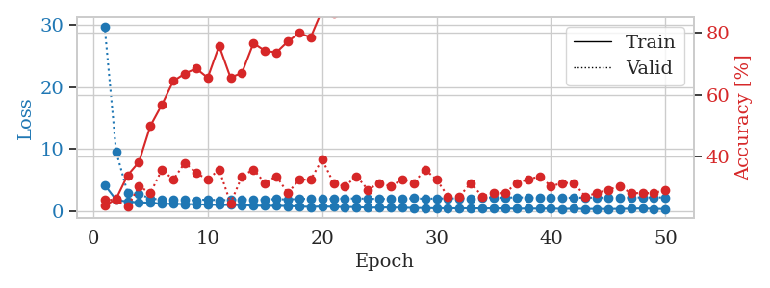
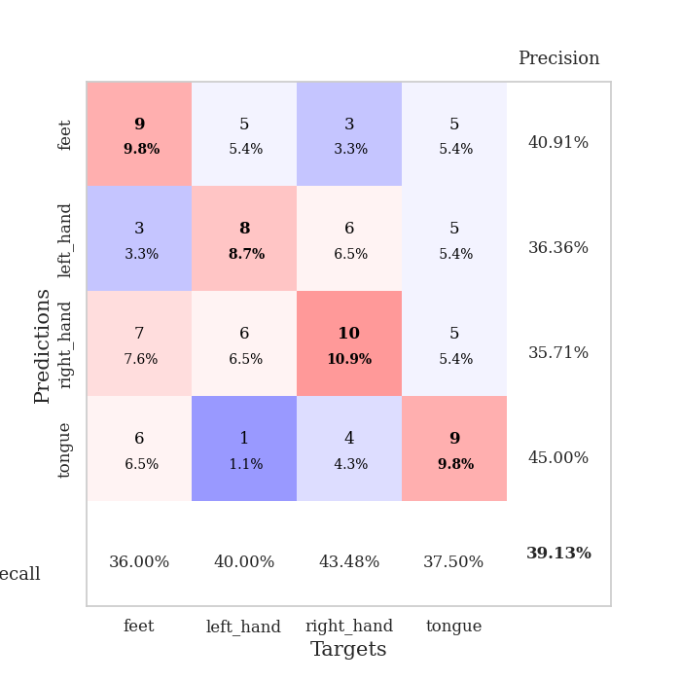
train_loss | valid_loss | train_accuracy | valid_accuracy | dur | train_misclass | valid_misclass
4.2046125246 | 29.792446551 | 0.24184782609 | 0.26086956522 | 0.085243463516 | 24.184782609 | 26.086956522
1.8075916715 | 9.625133929 | 0.26358695652 | 0.26086956522 | 0.084610939026 | 26.358695652 | 26.086956522
1.5209552464 | 2.9850962369 | 0.33967391304 | 0.23913043478 | 0.086031198502 | 33.967391304 | 23.913043478
1.404377165 | 2.7758211364 | 0.38315217391 | 0.30434782609 | 0.083114147186 | 38.315217391 | 30.434782609
1.3533696144 | 1.9947447466 | 0.5 | 0.28260869565 | 0.083100557327 | 50 | 28.260869565
1.1904436246 | 1.8838334654 | 0.56793478261 | 0.35869565217 | 0.087075233459 | 56.793478261 | 35.869565217
1.1566443547 | 1.7926591116 | 0.64402173913 | 0.32608695652 | 0.089005708694 | 64.402173913 | 32.608695652
1.1263768258 | 1.789343269 | 0.66847826087 | 0.38043478261 | 0.083172798157 | 66.847826087 | 38.043478261
1.0967929571 | 1.7454635112 | 0.6847826087 | 0.34782608696 | 0.082675218582 | 68.47826087 | 34.782608696
1.0396312657 | 1.8762782501 | 0.65489130435 | 0.32608695652 | 0.082542657852 | 65.489130435 | 32.608695652
0.98123101307 | 1.7320444014 | 0.75815217391 | 0.35869565217 | 0.082403182983 | 75.815217391 | 35.869565217
0.98668573732 | 1.8217250834 | 0.65489130435 | 0.25 | 0.082625627518 | 65.489130435 | 25
0.96302199364 | 1.9007334398 | 0.67119565217 | 0.33695652174 | 0.082649469376 | 67.119565217 | 33.695652174
0.87935038753 | 1.8405421661 | 0.76630434783 | 0.35869565217 | 0.082550048828 | 76.630434783 | 35.869565217
0.84182616291 | 1.8318498497 | 0.74184782609 | 0.3152173913 | 0.082736968994 | 74.184782609 | 31.52173913
0.84472878342 | 1.9488857881 | 0.73641304348 | 0.33695652174 | 0.082439661026 | 73.641304348 | 33.695652174
0.80745247654 | 1.8531081728 | 0.77173913043 | 0.28260869565 | 0.082658290863 | 77.173913043 | 28.260869565
0.73454119848 | 1.9765988381 | 0.79891304348 | 0.32608695652 | 0.083044052124 | 79.891304348 | 32.608695652
0.6687523308 | 1.9612215239 | 0.78532608696 | 0.32608695652 | 0.084757089615 | 78.532608696 | 32.608695652
0.7333171264 | 1.9562326877 | 0.8722826087 | 0.39130434783 | 0.082233667374 | 87.22826087 | 39.130434783
0.68895316642 | 1.9829074922 | 0.86141304348 | 0.3152173913 | 0.082633256912 | 86.141304348 | 31.52173913
0.64442927034 | 2.0298615901 | 0.89673913043 | 0.30434782609 | 0.082791805267 | 89.673913043 | 30.434782609
0.65771514436 | 2.0268065307 | 0.88586956522 | 0.33695652174 | 0.082661151886 | 88.586956522 | 33.695652174
0.53705073245 | 2.0011307208 | 0.88586956522 | 0.29347826087 | 0.083745479584 | 88.586956522 | 29.347826087
0.5767516727 | 1.9546125661 | 0.92391304348 | 0.3152173913 | 0.082712650299 | 92.391304348 | 31.52173913
0.57288168047 | 1.9961332964 | 0.88858695652 | 0.30434782609 | 0.082655668259 | 88.858695652 | 30.434782609
0.53798444116 | 1.9959760464 | 0.9375 | 0.32608695652 | 0.082418203354 | 93.75 | 32.608695652
0.51124215644 | 2.06474072 | 0.92934782609 | 0.3152173913 | 0.082783699036 | 92.934782609 | 31.52173913
0.47945982477 | 1.9753136453 | 0.90760869565 | 0.35869565217 | 0.082703590393 | 90.760869565 | 35.869565217
0.45105690736 | 2.0313018042 | 0.95380434783 | 0.32608695652 | 0.082476139069 | 95.380434783 | 32.608695652
0.44509726568 | 2.0303425011 | 0.94293478261 | 0.27173913043 | 0.082871437073 | 94.293478261 | 27.173913043
0.43970475832 | 2.0523224551 | 0.95652173913 | 0.27173913043 | 0.083817481995 | 95.652173913 | 27.173913043
0.44346959176 | 2.0546872512 | 0.97282608696 | 0.3152173913 | 0.081701278687 | 97.282608696 | 31.52173913
0.41864812245 | 2.2050118498 | 0.96195652174 | 0.27173913043 | 0.081956863403 | 96.195652174 | 27.173913043
0.43686382537 | 2.1801489488 | 0.97826086957 | 0.28260869565 | 0.082065582275 | 97.826086957 | 28.260869565
0.42643221371 | 2.1464659079 | 0.97554347826 | 0.28260869565 | 0.081712722778 | 97.554347826 | 28.260869565
0.37378825571 | 2.2131125875 | 0.98641304348 | 0.3152173913 | 0.081924915314 | 98.641304348 | 31.52173913
0.4051016161 | 2.1757222414 | 0.98913043478 | 0.32608695652 | 0.081773519516 | 98.913043478 | 32.608695652
0.3805648393 | 2.1496632151 | 0.98369565217 | 0.33695652174 | 0.081769227982 | 98.369565217 | 33.695652174
0.41586741416 | 2.1411059266 | 0.98641304348 | 0.30434782609 | 0.081967115402 | 98.641304348 | 30.434782609
0.33317536051 | 2.1557469523 | 0.98641304348 | 0.3152173913 | 0.082084417343 | 98.641304348 | 31.52173913
0.39307650341 | 2.1461851493 | 0.98913043478 | 0.3152173913 | 0.081901311874 | 98.913043478 | 31.52173913
0.33722772287 | 2.1655355899 | 0.98913043478 | 0.27173913043 | 0.081788539886 | 98.913043478 | 27.173913043
0.34706230073 | 2.1679391602 | 0.98913043478 | 0.28260869565 | 0.082191705704 | 98.913043478 | 28.260869565
0.32360777842 | 2.1734120742 | 0.98913043478 | 0.29347826087 | 0.081722021103 | 98.913043478 | 29.347826087
0.3568665761 | 2.1825583033 | 0.98913043478 | 0.30434782609 | 0.081844329834 | 98.913043478 | 30.434782609
0.37733739744 | 2.1861478505 | 0.98913043478 | 0.28260869565 | 0.081968069077 | 98.913043478 | 28.260869565
0.42962310755 | 2.1884302056 | 0.98913043478 | 0.28260869565 | 0.081754684448 | 98.913043478 | 28.260869565
0.35523742243 | 2.1917034802 | 0.98913043478 | 0.28260869565 | 0.081984043121 | 98.913043478 | 28.260869565
0.32963567713 | 2.1925642853 | 0.98913043478 | 0.29347826087 | 0.082003831863 | 98.913043478 | 29.347826087

Best Val accuracy is 0.391304347826087 and Best test accuracy is 0.3103448275862069

Sheet4
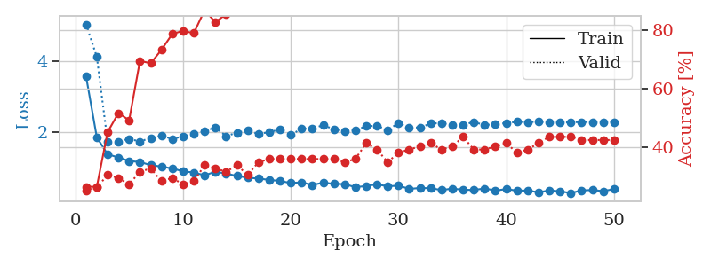
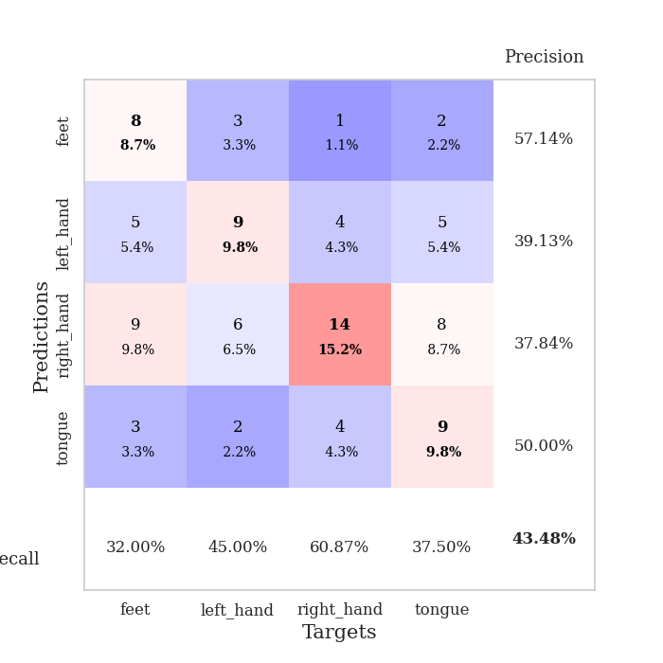
train_loss | valid_loss | train_accuracy | valid_accuracy | dur | train_misclass | valid_misclass
3.5767033878 | 5.0545901838 | 0.26358695652 | 0.25 | 0.082280874252 | 26.358695652 | 25
1.8412457186 | 4.1313460288 | 0.26358695652 | 0.26086956522 | 0.084851741791 | 26.358695652 | 26.086956522
1.3617918336 | 1.7136319876 | 0.45108695652 | 0.30434782609 | 0.082104921341 | 45.108695652 | 30.434782609
1.2703098266 | 1.7248629124 | 0.51630434783 | 0.29347826087 | 0.082277774811 | 51.630434783 | 29.347826087
1.1705552521 | 1.7987731177 | 0.49184782609 | 0.27173913043 | 0.08264040947 | 49.184782609 | 27.173913043
1.1397207561 | 1.7245701966 | 0.69565217391 | 0.3152173913 | 0.083063602448 | 69.565217391 | 31.52173913
1.0531977985 | 1.8266905028 | 0.6875 | 0.32608695652 | 0.083292961121 | 68.75 | 32.608695652
1.0119872352 | 1.8894845766 | 0.73369565217 | 0.28260869565 | 0.082519054413 | 73.369565217 | 28.260869565
0.95583080727 | 1.8003581089 | 0.78804347826 | 0.29347826087 | 0.082337856293 | 78.804347826 | 29.347826087
0.87893275593 | 1.8690315537 | 0.79891304348 | 0.27173913043 | 0.082488298416 | 79.891304348 | 27.173913043
0.84134083857 | 1.9365879608 | 0.79076086957 | 0.28260869565 | 0.082483053207 | 79.076086957 | 28.260869565
0.76500071002 | 2.0132516208 | 0.86956521739 | 0.33695652174 | 0.082840681076 | 86.956521739 | 33.695652174
0.86218550672 | 2.1260326427 | 0.82880434783 | 0.32608695652 | 0.082515239716 | 82.880434783 | 32.608695652
0.81455332041 | 1.8749056847 | 0.85597826087 | 0.3152173913 | 0.082386016846 | 85.597826087 | 31.52173913
0.74435422731 | 1.9781488077 | 0.875 | 0.33695652174 | 0.082489490509 | 87.5 | 33.695652174
0.69729698223 | 2.0374841846 | 0.875 | 0.30434782609 | 0.08295917511 | 87.5 | 30.434782609
0.66916146227 | 1.9387330802 | 0.91032608696 | 0.34782608696 | 0.083348274231 | 91.032608696 | 34.782608696
0.63496528242 | 1.99137555 | 0.8777173913 | 0.35869565217 | 0.084102153778 | 87.77173913 | 35.869565217
0.60027999463 | 2.0665246922 | 0.91304347826 | 0.35869565217 | 0.085225105286 | 91.304347826 | 35.869565217
0.54665131154 | 1.9045577049 | 0.95108695652 | 0.35869565217 | 0.084811449051 | 95.108695652 | 35.869565217
0.56230868205 | 2.0951855234 | 0.92119565217 | 0.35869565217 | 0.08248090744 | 92.119565217 | 35.869565217
0.48987741963 | 2.0874014678 | 0.95108695652 | 0.35869565217 | 0.082134962082 | 95.108695652 | 35.869565217
0.55302324178 | 2.1907288562 | 0.91304347826 | 0.35869565217 | 0.082128286362 | 91.304347826 | 35.869565217
0.52224424222 | 2.0725200021 | 0.96195652174 | 0.35869565217 | 0.082442998886 | 96.195652174 | 35.869565217
0.51321053699 | 2.0076311205 | 0.95380434783 | 0.34782608696 | 0.082484483719 | 95.380434783 | 34.782608696
0.42652166602 | 2.0432976795 | 0.95652173913 | 0.35869565217 | 0.082314729691 | 95.652173913 | 35.869565217
0.46024664977 | 2.1581944797 | 0.96739130435 | 0.41304347826 | 0.082385778427 | 96.739130435 | 41.304347826
0.5092466331 | 2.1712293988 | 0.95923913043 | 0.39130434783 | 0.082352876663 | 95.923913043 | 39.130434783
0.45051997641 | 2.0520204202 | 0.96739130435 | 0.34782608696 | 0.083079576492 | 96.739130435 | 34.782608696
0.4715004356 | 2.2465123353 | 0.93206521739 | 0.38043478261 | 0.084431409836 | 93.206521739 | 38.043478261
0.37697276603 | 2.1177741548 | 0.98097826087 | 0.39130434783 | 0.085824251175 | 98.097826087 | 39.130434783
0.40407399898 | 2.1251416258 | 0.97282608696 | 0.40217391304 | 0.086437225342 | 97.282608696 | 40.217391304
0.39599305845 | 2.233615414 | 0.97554347826 | 0.41304347826 | 0.083719730377 | 97.554347826 | 41.304347826
0.34621683605 | 2.2528928518 | 0.97826086957 | 0.39130434783 | 0.082721948624 | 97.826086957 | 39.130434783
0.38495206315 | 2.1824943242 | 0.98369565217 | 0.40217391304 | 0.0828602314 | 98.369565217 | 40.217391304
0.35306272494 | 2.197793095 | 0.99184782609 | 0.4347826087 | 0.082938671112 | 99.184782609 | 43.47826087
0.34784521551 | 2.2801716172 | 0.98369565217 | 0.39130434783 | 0.082615375519 | 98.369565217 | 39.130434783
0.3894018709 | 2.1898577887 | 0.98641304348 | 0.39130434783 | 0.082258701324 | 98.641304348 | 39.130434783
0.33145097481 | 2.2221127127 | 0.98913043478 | 0.40217391304 | 0.082276344299 | 98.913043478 | 40.217391304
0.37051580717 | 2.2457156544 | 0.99456521739 | 0.41304347826 | 0.082206249237 | 99.456521739 | 41.304347826
0.32978282998 | 2.2840593794 | 0.98913043478 | 0.38043478261 | 0.082193136215 | 98.913043478 | 38.043478261
0.33045207126 | 2.2795656816 | 0.99456521739 | 0.39130434783 | 0.082317829132 | 99.456521739 | 39.130434783
0.28098087823 | 2.2822765475 | 0.99456521739 | 0.41304347826 | 0.082366228104 | 99.456521739 | 41.304347826
0.3329434884 | 2.2655379928 | 0.99456521739 | 0.4347826087 | 0.082502603531 | 99.456521739 | 43.47826087
0.31026573447 | 2.2669378519 | 0.99456521739 | 0.4347826087 | 0.083250761032 | 99.456521739 | 43.47826087
0.25856121662 | 2.2698524465 | 0.99456521739 | 0.4347826087 | 0.08314371109 | 99.456521739 | 43.47826087
0.33551537019 | 2.2795935351 | 0.99456521739 | 0.42391304348 | 0.082910299301 | 99.456521739 | 42.391304348
0.34595268446 | 2.2801071405 | 0.99456521739 | 0.42391304348 | 0.08270072937 | 99.456521739 | 42.391304348
0.31487175952 | 2.2799001207 | 0.99456521739 | 0.42391304348 | 0.082586288452 | 99.456521739 | 42.391304348
0.3714540698 | 2.2800804169 | 0.99456521739 | 0.42391304348 | 0.082751750946 | 99.456521739 | 42.391304348

Best Val accuracy is 0.43478260869565216 and Best test accuracy is 0.41379310344827586

Sheet5
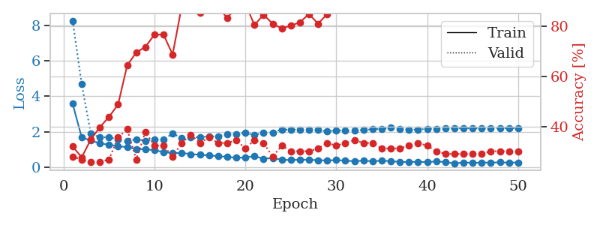
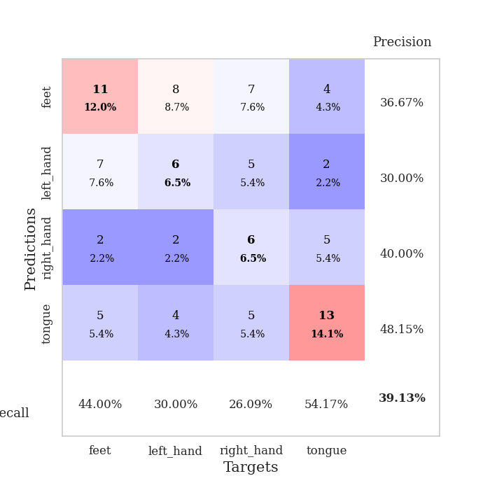
train_loss | valid_loss | train_accuracy | valid_accuracy | dur | train_misclass | valid_misclass
3.587683517 | 8.2722783711 | 0.32336956522 | 0.28260869565 | 0.094423770905 | 32.336956522 | 28.260869565
1.6786449733 | 4.6805235407 | 0.27989130435 | 0.27173913043 | 0.08775305748 | 27.989130435 | 27.173913043
1.5130289223 | 1.9044910047 | 0.35054347826 | 0.26086956522 | 0.084455251694 | 35.054347826 | 26.086956522
1.343444083 | 1.6866699975 | 0.39945652174 | 0.26086956522 | 0.090334415436 | 39.945652174 | 26.086956522
1.2708989589 | 1.7016379315 | 0.4402173913 | 0.27173913043 | 0.093370199203 | 44.02173913 | 27.173913043
1.1998660539 | 1.5627290425 | 0.48913043478 | 0.35869565217 | 0.08484005928 | 48.913043478 | 35.869565217
1.1230761901 | 1.4642833627 | 0.64402173913 | 0.39130434783 | 0.082746505737 | 64.402173913 | 39.130434783
1.0367492645 | 1.5848689338 | 0.69565217391 | 0.27173913043 | 0.082672595978 | 69.565217391 | 27.173913043
1.013742903 | 1.496989359 | 0.71739130435 | 0.38043478261 | 0.083207368851 | 71.739130435 | 38.043478261
0.96331019764 | 1.5703993258 | 0.76630434783 | 0.32608695652 | 0.082783699036 | 76.630434783 | 32.608695652
0.85356012635 | 1.5795167633 | 0.76630434783 | 0.32608695652 | 0.082873106003 | 76.630434783 | 32.608695652
0.7971731839 | 1.8861985103 | 0.6875 | 0.28260869565 | 0.082592010498 | 68.75 | 28.260869565
0.81050240864 | 1.6661739194 | 0.8777173913 | 0.33695652174 | 0.084565639496 | 87.77173913 | 33.695652174
0.73904299866 | 1.6745254268 | 0.875 | 0.36956521739 | 0.082486391068 | 87.5 | 36.956521739
0.7102471007 | 1.7086547509 | 0.85326086957 | 0.33695652174 | 0.084358215332 | 85.326086957 | 33.695652174
0.66445646727 | 1.7408121617 | 0.89130434783 | 0.35869565217 | 0.082715272903 | 89.130434783 | 35.869565217
0.62762966882 | 1.7442802087 | 0.8777173913 | 0.33695652174 | 0.082594871521 | 87.77173913 | 33.695652174
0.58728742988 | 1.8653738758 | 0.83152173913 | 0.33695652174 | 0.083428859711 | 83.152173913 | 33.695652174
0.53301799297 | 1.8809024821 | 0.875 | 0.34782608696 | 0.096962690353 | 87.5 | 34.782608696
0.55273219684 | 1.935957126 | 0.88858695652 | 0.3152173913 | 0.15806984901 | 88.858695652 | 31.52173913
0.6274874016 | 1.8169732871 | 0.80434782609 | 0.34782608696 | 0.085540533066 | 80.434782609 | 34.782608696
0.47891445911 | 1.9484017828 | 0.84510869565 | 0.33695652174 | 0.10393357277 | 84.510869565 | 33.695652174
0.52499784464 | 1.9652877165 | 0.8097826087 | 0.28260869565 | 0.098016500473 | 80.97826087 | 28.260869565
0.42395957527 | 2.1283612251 | 0.79076086957 | 0.32608695652 | 0.10526823997 | 79.076086957 | 32.608695652
0.40970213355 | 2.1183437575 | 0.80163043478 | 0.30434782609 | 0.10328817368 | 80.163043478 | 30.434782609
0.42478350064 | 2.1155017148 | 0.8152173913 | 0.30434782609 | 0.1027970314 | 81.52173913 | 30.434782609
0.42287873185 | 2.103291014 | 0.84782608696 | 0.30434782609 | 0.097809791565 | 84.782608696 | 30.434782609
0.40136932549 | 2.0965054035 | 0.8097826087 | 0.3152173913 | 0.10379719734 | 80.97826087 | 31.52173913
0.38098157878 | 2.0233886035 | 0.84782608696 | 0.33695652174 | 0.10927128792 | 84.782608696 | 33.695652174
0.40287412897 | 2.0867541873 | 0.8777173913 | 0.32608695652 | 0.10296607018 | 87.77173913 | 32.608695652
0.37565256526 | 2.0670537119 | 0.91847826087 | 0.33695652174 | 0.13248300552 | 91.847826087 | 33.695652174
0.3391363151 | 2.0611275279 | 0.90489130435 | 0.34782608696 | 0.096729755402 | 90.489130435 | 34.782608696
0.37314867034 | 2.1047191309 | 0.90760869565 | 0.33695652174 | 0.10571789742 | 90.760869565 | 33.695652174
0.33687736159 | 2.139986401 | 0.875 | 0.33695652174 | 0.10140347481 | 87.5 | 33.695652174
0.37295903978 | 2.1722846757 | 0.88858695652 | 0.3152173913 | 0.081946611404 | 88.858695652 | 31.52173913
0.34309399938 | 2.2283688317 | 0.86413043478 | 0.3152173913 | 0.081033945084 | 86.413043478 | 31.52173913
0.30105563059 | 2.1437665483 | 0.88043478261 | 0.3152173913 | 0.084204912186 | 88.043478261 | 31.52173913
0.29733479995 | 2.1293012059 | 0.88586956522 | 0.32608695652 | 0.084198951721 | 88.586956522 | 32.608695652
0.30652095572 | 2.1231034113 | 0.89945652174 | 0.33695652174 | 0.080419301987 | 89.945652174 | 33.695652174
0.28978350856 | 2.1702238684 | 0.90760869565 | 0.32608695652 | 0.079585313797 | 90.760869565 | 32.608695652
0.33302414612 | 2.1789478945 | 0.91304347826 | 0.30434782609 | 0.079812526703 | 91.304347826 | 30.434782609
0.29077272765 | 2.1962585138 | 0.90489130435 | 0.29347826087 | 0.079293727875 | 90.489130435 | 29.347826087
0.22289017815 | 2.1954898731 | 0.90760869565 | 0.29347826087 | 0.081016302109 | 90.760869565 | 29.347826087
0.26832964952 | 2.2012111311 | 0.90489130435 | 0.29347826087 | 0.082378387451 | 90.489130435 | 29.347826087
0.25198193899 | 2.203402768 | 0.89945652174 | 0.29347826087 | 0.081071615219 | 89.945652174 | 29.347826087
0.26173553324 | 2.2040894032 | 0.89945652174 | 0.29347826087 | 0.085025310516 | 89.945652174 | 29.347826087
0.2625050288 | 2.2063277079 | 0.90217391304 | 0.30434782609 | 0.082664728165 | 90.217391304 | 30.434782609
0.27838421419 | 2.2084632231 | 0.90217391304 | 0.30434782609 | 0.082638502121 | 90.217391304 | 30.434782609
0.25730239665 | 2.2102731829 | 0.90217391304 | 0.30434782609 | 0.082011222839 | 90.217391304 | 30.434782609
0.27361628105 | 2.2120886782 | 0.90217391304 | 0.30434782609 | 0.081800222397 | 90.217391304 | 30.434782609

Best Val accuracy is 0.391304347826087 and Best test accuracy is 0.3879310344827586

Sheet6
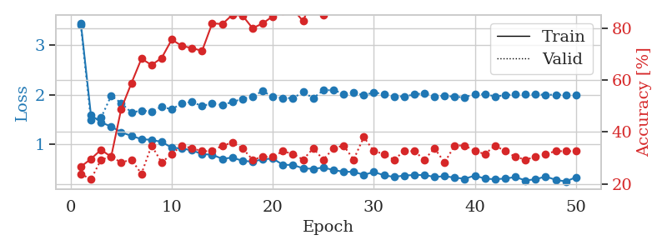
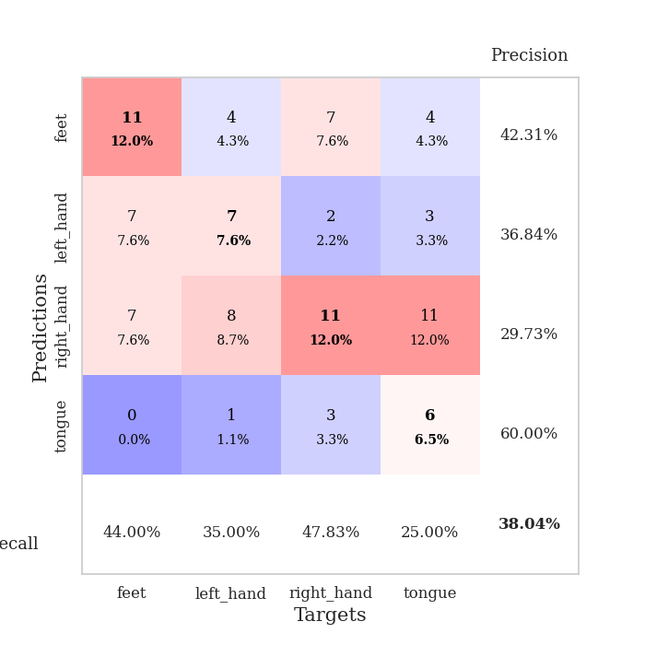
train_loss | valid_loss | train_accuracy | valid_accuracy | dur | train_misclass | valid_misclass
3.4517200408 | 3.4058819024 | 0.26630434783 | 0.23913043478 | 0.082603693008 | 26.630434783 | 23.913043478
1.5917879239 | 1.4857859145 | 0.29619565217 | 0.21739130435 | 0.082440137863 | 29.619565217 | 21.739130435
1.4418175272 | 1.5332604284 | 0.33152173913 | 0.29347826087 | 0.081335544586 | 33.152173913 | 29.347826087
1.3581172565 | 1.9806400434 | 0.30434782609 | 0.30434782609 | 0.082268238068 | 30.434782609 | 30.434782609
1.2430223097 | 1.830984919 | 0.48913043478 | 0.28260869565 | 0.082136631012 | 48.913043478 | 28.260869565
1.1690096803 | 1.642137543 | 0.58695652174 | 0.29347826087 | 0.110206604 | 58.695652174 | 29.347826087
1.1040475368 | 1.6794792103 | 0.68206521739 | 0.23913043478 | 0.10613179207 | 68.206521739 | 23.913043478
1.0876957826 | 1.6655870987 | 0.65760869565 | 0.34782608696 | 0.11076974869 | 65.760869565 | 34.782608696
1.0480062521 | 1.7555134348 | 0.6847826087 | 0.28260869565 | 0.11078119278 | 68.47826087 | 28.260869565
0.93010651547 | 1.7053215556 | 0.75543478261 | 0.3152173913 | 0.10779714584 | 75.543478261 | 31.52173913
0.9147187277 | 1.8292332214 | 0.73097826087 | 0.34782608696 | 0.10105395317 | 73.097826087 | 34.782608696
0.87606178159 | 1.8534255598 | 0.72282608696 | 0.33695652174 | 0.083487033844 | 72.282608696 | 33.695652174
0.80143263547 | 1.771471801 | 0.71195652174 | 0.32608695652 | 0.084654569626 | 71.195652174 | 32.608695652
0.78890669346 | 1.8280073974 | 0.81793478261 | 0.32608695652 | 0.084326505661 | 81.793478261 | 32.608695652
0.70563732152 | 1.7908264658 | 0.8152173913 | 0.34782608696 | 0.084163427353 | 81.52173913 | 34.782608696
0.73047568487 | 1.8562988717 | 0.85054347826 | 0.35869565217 | 0.086272954941 | 85.054347826 | 35.869565217
0.66503508972 | 1.915933749 | 0.84782608696 | 0.33695652174 | 0.088123321533 | 84.782608696 | 33.695652174
0.64844458388 | 1.9651806769 | 0.79891304348 | 0.29347826087 | 0.086302995682 | 79.891304348 | 29.347826087
0.69632117126 | 2.0767413119 | 0.81793478261 | 0.30434782609 | 0.08828163147 | 81.793478261 | 30.434782609
0.71093594121 | 1.9551327851 | 0.84510869565 | 0.30434782609 | 0.083882808685 | 84.510869565 | 30.434782609
0.5845186205 | 1.9335742826 | 0.86684782609 | 0.32608695652 | 0.08443236351 | 86.684782609 | 32.608695652
0.58169236002 | 1.932482284 | 0.8722826087 | 0.3152173913 | 0.084454536438 | 87.22826087 | 31.52173913
0.51344861155 | 2.0549810762 | 0.82608695652 | 0.29347826087 | 0.08825469017 | 82.608695652 | 29.347826087
0.50378818454 | 1.9319255715 | 0.92663043478 | 0.33695652174 | 0.087396144867 | 92.663043478 | 33.695652174
0.52780460145 | 2.0899754607 | 0.85054347826 | 0.29347826087 | 0.08487868309 | 85.054347826 | 29.347826087
0.48015558072 | 2.0946683314 | 0.89130434783 | 0.33695652174 | 0.083935260773 | 89.130434783 | 33.695652174
0.44406686011 | 2.0200786176 | 0.88858695652 | 0.34782608696 | 0.084234476089 | 88.858695652 | 34.782608696
0.44211985041 | 2.0385231972 | 0.8777173913 | 0.29347826087 | 0.083449840546 | 87.77173913 | 29.347826087
0.38208320866 | 1.9937793379 | 0.94565217391 | 0.38043478261 | 0.084994077682 | 94.565217391 | 38.043478261
0.43892421282 | 2.0449659513 | 0.92119565217 | 0.32608695652 | 0.082540750504 | 92.119565217 | 32.608695652
0.37404750417 | 2.0155150061 | 0.92663043478 | 0.3152173913 | 0.083041667938 | 92.663043478 | 31.52173913
0.33860992414 | 1.9627196011 | 0.95923913043 | 0.29347826087 | 0.082982778549 | 95.923913043 | 29.347826087
0.36847686897 | 1.9689458142 | 0.98097826087 | 0.32608695652 | 0.083255290985 | 98.097826087 | 32.608695652
0.37872343737 | 2.0039412405 | 0.97826086957 | 0.32608695652 | 0.082549333572 | 97.826086957 | 32.608695652
0.37759965075 | 2.0329777417 | 0.96195652174 | 0.29347826087 | 0.082104682922 | 96.195652174 | 29.347826087
0.33960276648 | 1.9592037045 | 0.98097826087 | 0.33695652174 | 0.082194566727 | 98.097826087 | 33.695652174
0.35384938445 | 1.9832698055 | 0.97010869565 | 0.28260869565 | 0.084388256073 | 97.010869565 | 28.260869565
0.32530515916 | 1.9565179711 | 0.98369565217 | 0.34782608696 | 0.09371638298 | 98.369565217 | 34.782608696
0.3024444444 | 1.9497000653 | 0.97554347826 | 0.34782608696 | 0.087376832962 | 97.554347826 | 34.782608696
0.36758924697 | 2.0142832321 | 0.96467391304 | 0.32608695652 | 0.098702430725 | 96.467391304 | 32.608695652
0.30353187446 | 2.0097334696 | 0.97826086957 | 0.3152173913 | 0.080715417862 | 97.826086957 | 31.52173913
0.29380409452 | 1.9680816453 | 0.97826086957 | 0.34782608696 | 0.081228256226 | 97.826086957 | 34.782608696
0.30612685726 | 1.989190283 | 0.97826086957 | 0.32608695652 | 0.080641031265 | 97.826086957 | 32.608695652
0.33747763899 | 2.0109008291 | 0.97826086957 | 0.30434782609 | 0.081036567688 | 97.826086957 | 30.434782609
0.26856895212 | 2.0109249561 | 0.97826086957 | 0.29347826087 | 0.081434488297 | 97.826086957 | 29.347826087
0.29251506018 | 2.0036650948 | 0.97826086957 | 0.30434782609 | 0.087004899979 | 97.826086957 | 30.434782609
0.3474716434 | 2.001366097 | 0.97826086957 | 0.3152173913 | 0.082067966461 | 97.826086957 | 31.52173913
0.28043957346 | 1.9999279509 | 0.97826086957 | 0.32608695652 | 0.081701755524 | 97.826086957 | 32.608695652
0.24808016549 | 1.9997389887 | 0.97826086957 | 0.32608695652 | 0.081502437592 | 97.826086957 | 32.608695652
0.33329821378 | 2.0009465891 | 0.97826086957 | 0.32608695652 | 0.081780672073 | 97.826086957 | 32.608695652

Best Val accuracy is 0.3804347826086957 and Best test accuracy is 0.3620689655172414

Sheet7
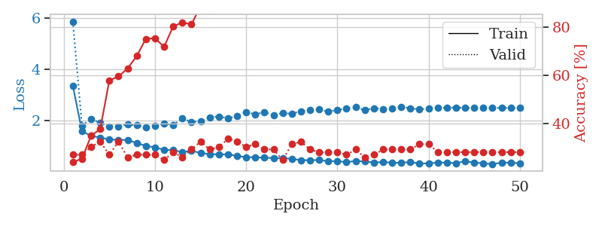
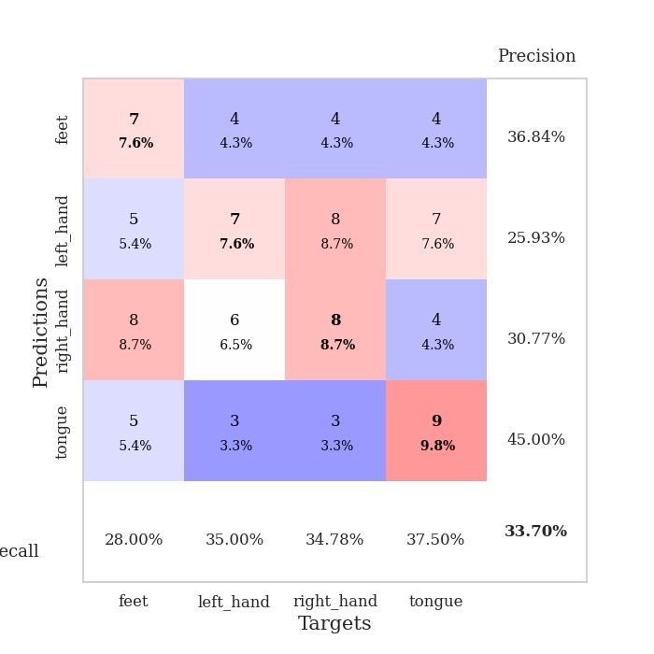
train_loss | valid_loss | train_accuracy | valid_accuracy | dur | train_misclass | valid_misclass
3.3509356976 | 5.8676975084 | 0.24184782609 | 0.27173913043 | 0.081514120102 | 24.184782609 | 27.173913043
1.5750395008 | 1.7939456235 | 0.25543478261 | 0.27173913043 | 0.081223487854 | 25.543478261 | 27.173913043
1.3939955675 | 2.0633918306 | 0.35054347826 | 0.30434782609 | 0.083142518997 | 35.054347826 | 30.434782609
1.3284755427 | 1.8999155656 | 0.3777173913 | 0.32608695652 | 0.083238124847 | 37.77173913 | 32.608695652
1.2462819089 | 1.771907511 | 0.57880434783 | 0.27173913043 | 0.083667755127 | 57.880434783 | 27.173913043
1.2394934063 | 1.7695907976 | 0.59510869565 | 0.32608695652 | 0.081430435181 | 59.510869565 | 32.608695652
1.2291128039 | 1.8463721742 | 0.6277173913 | 0.26086956522 | 0.081038475037 | 62.77173913 | 26.086956522
1.1132127254 | 1.8024139819 | 0.67934782609 | 0.27173913043 | 0.081628799438 | 67.934782609 | 27.173913043
1.0020561166 | 1.731029241 | 0.75 | 0.27173913043 | 0.081249952316 | 75 | 27.173913043
0.93871548383 | 1.7782000666 | 0.7527173913 | 0.27173913043 | 0.079846858978 | 75.27173913 | 27.173913043
0.84855770417 | 1.8845407652 | 0.71739130435 | 0.25 | 0.081812381744 | 71.739130435 | 25
0.83083727567 | 1.8231597724 | 0.80163043478 | 0.28260869565 | 0.080298185349 | 80.163043478 | 28.260869565
0.75822618604 | 2.071925806 | 0.81793478261 | 0.26086956522 | 0.07972407341 | 81.793478261 | 26.086956522
0.80591901359 | 1.942083592 | 0.8097826087 | 0.29347826087 | 0.079969882965 | 80.97826087 | 29.347826087
0.723795528 | 1.9689633794 | 0.88586956522 | 0.32608695652 | 0.079627990723 | 88.586956522 | 32.608695652
0.67756987914 | 2.1144659882 | 0.86684782609 | 0.29347826087 | 0.078784942627 | 86.684782609 | 29.347826087
0.66283488403 | 2.1524966281 | 0.89945652174 | 0.30434782609 | 0.079659461975 | 89.945652174 | 30.434782609
0.67027130853 | 2.0837617646 | 0.89402173913 | 0.33695652174 | 0.080086708069 | 89.402173913 | 33.695652174
0.60213322354 | 2.1638745432 | 0.92934782609 | 0.32608695652 | 0.080014467239 | 92.934782609 | 32.608695652
0.55834819053 | 2.3200048675 | 0.91032608696 | 0.30434782609 | 0.080025196075 | 91.032608696 | 30.434782609
0.54929971695 | 2.2429865651 | 0.94836956522 | 0.3152173913 | 0.080552101135 | 94.836956522 | 31.52173913
0.53733999185 | 2.3204107544 | 0.95380434783 | 0.29347826087 | 0.083315372467 | 95.380434783 | 29.347826087
0.52419123054 | 2.2109224485 | 0.94836956522 | 0.29347826087 | 0.080433607101 | 94.836956522 | 29.347826087
0.51354062233 | 2.2893866819 | 0.9375 | 0.25 | 0.081018209457 | 93.75 | 25
0.49543119643 | 2.2610834163 | 0.98097826087 | 0.3152173913 | 0.080677270889 | 98.097826087 | 31.52173913
0.43660619045 | 2.3633488158 | 0.98369565217 | 0.32608695652 | 0.080111265182 | 98.369565217 | 32.608695652
0.43755208928 | 2.4060379733 | 0.98369565217 | 0.29347826087 | 0.079351902008 | 98.369565217 | 29.347826087
0.44573341893 | 2.4241646373 | 0.98097826087 | 0.28260869565 | 0.079846858978 | 98.097826087 | 28.260869565
0.39614457669 | 2.3435200297 | 0.97826086957 | 0.28260869565 | 0.079778909683 | 97.826086957 | 28.260869565
0.40463303613 | 2.4081165376 | 0.98913043478 | 0.28260869565 | 0.079506158829 | 98.913043478 | 28.260869565
0.35832103633 | 2.4727751172 | 0.99184782609 | 0.27173913043 | 0.079391241074 | 99.184782609 | 27.173913043
0.41118087004 | 2.5152686679 | 0.98641304348 | 0.29347826087 | 0.07975435257 | 98.641304348 | 29.347826087
0.38498712363 | 2.4067143046 | 0.9972826087 | 0.26086956522 | 0.080417156219 | 99.72826087 | 26.086956522
0.35188872335 | 2.4691783034 | 0.9972826087 | 0.27173913043 | 0.080048322678 | 99.72826087 | 27.173913043
0.36414142471 | 2.4520231848 | 0.98913043478 | 0.29347826087 | 0.079506158829 | 98.913043478 | 29.347826087
0.34360853032 | 2.4736625112 | 0.9972826087 | 0.29347826087 | 0.08021068573 | 99.72826087 | 29.347826087
0.33168973871 | 2.5286495686 | 0.99456521739 | 0.29347826087 | 0.08006310463 | 99.456521739 | 29.347826087
0.37439439932 | 2.4778194738 | 1 | 0.29347826087 | 0.079434394836 | 100 | 29.347826087
0.29979241089 | 2.4281557228 | 0.9972826087 | 0.3152173913 | 0.079654216766 | 99.72826087 | 31.52173913
0.31956086211 | 2.4737348764 | 0.9972826087 | 0.3152173913 | 0.07946228981 | 99.72826087 | 31.52173913
0.34479644182 | 2.4966181568 | 1 | 0.28260869565 | 0.079224586487 | 100 | 28.260869565
0.34332784362 | 2.4999277177 | 1 | 0.28260869565 | 0.07932472229 | 100 | 28.260869565
0.3194763777 | 2.5083131272 | 1 | 0.28260869565 | 0.079409122467 | 100 | 28.260869565
0.4006660762 | 2.4893688845 | 1 | 0.28260869565 | 0.079414129257 | 100 | 28.260869565
0.34287171519 | 2.4901365301 | 1 | 0.28260869565 | 0.079160451889 | 100 | 28.260869565
0.31688443669 | 2.4880691819 | 1 | 0.28260869565 | 0.079208374023 | 100 | 28.260869565
0.28577429348 | 2.4904543213 | 1 | 0.28260869565 | 0.079084873199 | 100 | 28.260869565
0.34269360323 | 2.4922149181 | 1 | 0.28260869565 | 0.079367399216 | 100 | 28.260869565
0.34087571372 | 2.4927015823 | 1 | 0.28260869565 | 0.079135417938 | 100 | 28.260869565
0.31759578994 | 2.4925213586 | 1 | 0.28260869565 | 0.079068183899 | 100 | 28.260869565

Best Val accuracy is 0.33695652173913043 and Best test accuracy is 0.3879310344827586

Sheet8
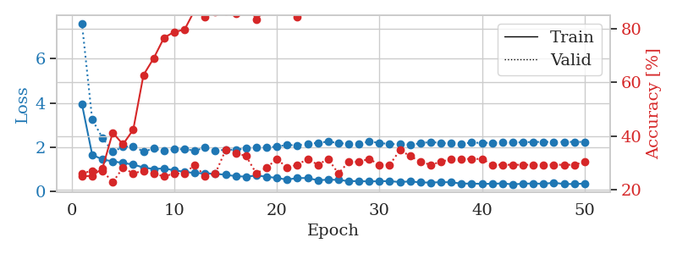
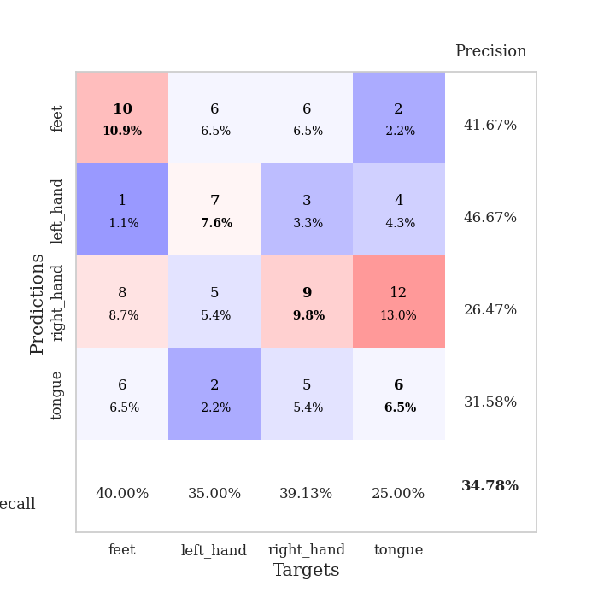
train_loss | valid_loss | train_accuracy | valid_accuracy | dur | train_misclass | valid_misclass
3.9547372486 | 7.6058802397 | 0.25 | 0.26086956522 | 0.08190703392 | 25 | 26.086956522
1.6689940743 | 3.2579226287 | 0.2527173913 | 0.27173913043 | 0.080064058304 | 25.27173913 | 27.173913043
1.4527443233 | 2.4282126945 | 0.27989130435 | 0.27173913043 | 0.081755161285 | 27.989130435 | 27.173913043
1.369518477 | 1.8029028385 | 0.41304347826 | 0.22826086957 | 0.080237865448 | 41.304347826 | 22.826086957
1.2964816767 | 2.021691597 | 0.36956521739 | 0.28260869565 | 0.080526590347 | 36.956521739 | 28.260869565
1.2246965118 | 2.0562818983 | 0.42391304348 | 0.26086956522 | 0.07995724678 | 42.391304348 | 26.086956522
1.090924377 | 1.8112143019 | 0.6277173913 | 0.27173913043 | 0.079645395279 | 62.77173913 | 27.173913043
1.0242362644 | 1.9463577944 | 0.6902173913 | 0.26086956522 | 0.079440116882 | 69.02173913 | 26.086956522
1.0509053365 | 1.840309848 | 0.76630434783 | 0.25 | 0.079777479172 | 76.630434783 | 25
0.96166751177 | 1.9109583367 | 0.78804347826 | 0.26086956522 | 0.079925298691 | 78.804347826 | 26.086956522
0.89931532611 | 1.916653716 | 0.79619565217 | 0.26086956522 | 0.079432010651 | 79.619565217 | 26.086956522
0.83707284668 | 1.8557082622 | 0.86956521739 | 0.29347826087 | 0.079320192337 | 86.956521739 | 29.347826087
0.83196416627 | 1.9847863031 | 0.84510869565 | 0.25 | 0.079496622086 | 84.510869565 | 25
0.80553791834 | 1.8411330192 | 0.86413043478 | 0.26086956522 | 0.079494953156 | 86.413043478 | 26.086956522
0.7639225825 | 1.8983836174 | 0.86684782609 | 0.34782608696 | 0.079973220825 | 86.684782609 | 34.782608696
0.69880837202 | 1.8939100919 | 0.85597826087 | 0.33695652174 | 0.081898450851 | 85.597826087 | 33.695652174
0.67855993432 | 1.9621469042 | 0.89945652174 | 0.32608695652 | 0.079705476761 | 89.945652174 | 32.608695652
0.72626033814 | 2.0149000468 | 0.83423913043 | 0.26086956522 | 0.079153299332 | 83.423913043 | 26.086956522
0.678630663 | 1.9866177984 | 0.875 | 0.28260869565 | 0.078732252121 | 87.5 | 28.260869565
0.61489892006 | 2.0418288811 | 0.91304347826 | 0.3152173913 | 0.078849554062 | 91.304347826 | 31.52173913
0.54586695459 | 2.1081780765 | 0.90489130435 | 0.28260869565 | 0.078907012939 | 90.489130435 | 28.260869565
0.61308390291 | 2.0957466364 | 0.84239130435 | 0.29347826087 | 0.078817605972 | 84.239130435 | 29.347826087
0.6157968731 | 2.1628201112 | 0.92663043478 | 0.3152173913 | 0.07891869545 | 92.663043478 | 31.52173913
0.51242604398 | 2.2033614179 | 0.92119565217 | 0.29347826087 | 0.078585386276 | 92.119565217 | 29.347826087
0.54439916624 | 2.2621462552 | 0.88315217391 | 0.3152173913 | 0.078832387924 | 88.315217391 | 31.52173913
0.53103532869 | 2.1954183319 | 0.91847826087 | 0.26086956522 | 0.078775167465 | 91.847826087 | 26.086956522
0.47511545472 | 2.1540753479 | 0.92391304348 | 0.30434782609 | 0.078600406647 | 92.391304348 | 30.434782609
0.47538401122 | 2.1617313001 | 0.92119565217 | 0.30434782609 | 0.078454017639 | 92.119565217 | 30.434782609
0.4609477818 | 2.2616009298 | 0.94836956522 | 0.3152173913 | 0.079369783401 | 94.836956522 | 31.52173913
0.47150824057 | 2.2051750992 | 0.93206521739 | 0.29347826087 | 0.08021903038 | 93.206521739 | 29.347826087
0.47561604303 | 2.1460681376 | 0.92663043478 | 0.29347826087 | 0.08016204834 | 92.663043478 | 29.347826087
0.43229084624 | 2.1512013622 | 0.93206521739 | 0.34782608696 | 0.080142259598 | 93.206521739 | 34.782608696
0.46505625157 | 2.1240542972 | 0.97826086957 | 0.32608695652 | 0.081372022629 | 97.826086957 | 32.608695652
0.41524157641 | 2.1848479769 | 0.96467391304 | 0.30434782609 | 0.081342697144 | 96.467391304 | 30.434782609
0.41210766331 | 2.2500848407 | 0.90217391304 | 0.29347826087 | 0.08091878891 | 90.217391304 | 29.347826087
0.42768066344 | 2.1912327435 | 0.95652173913 | 0.30434782609 | 0.080908060074 | 95.652173913 | 30.434782609
0.42523178134 | 2.181376903 | 0.95923913043 | 0.3152173913 | 0.081257343292 | 95.923913043 | 31.52173913
0.36261402654 | 2.164880737 | 0.97282608696 | 0.3152173913 | 0.080409049988 | 97.282608696 | 31.52173913
0.36810128261 | 2.2143859345 | 0.98097826087 | 0.3152173913 | 0.10683369637 | 98.097826087 | 31.52173913
0.35130846371 | 2.2025858941 | 0.97826086957 | 0.3152173913 | 0.093329429626 | 97.826086957 | 31.52173913
0.35646183951 | 2.2100282959 | 0.97282608696 | 0.29347826087 | 0.086127281189 | 97.282608696 | 29.347826087
0.37280270619 | 2.2254255958 | 0.97010869565 | 0.29347826087 | 0.084458827972 | 97.010869565 | 29.347826087
0.32936367522 | 2.2160326605 | 0.97282608696 | 0.29347826087 | 0.089671373367 | 97.282608696 | 29.347826087
0.35964473305 | 2.2325609041 | 0.96467391304 | 0.29347826087 | 0.083933353424 | 96.467391304 | 29.347826087
0.3696205156 | 2.2451803788 | 0.96195652174 | 0.29347826087 | 0.081884384155 | 96.195652174 | 29.347826087
0.35624013128 | 2.2475878778 | 0.96739130435 | 0.29347826087 | 0.081144809723 | 96.739130435 | 29.347826087
0.40231489228 | 2.2480202032 | 0.96739130435 | 0.29347826087 | 0.080320358276 | 96.739130435 | 29.347826087
0.3459769008 | 2.2478566273 | 0.97010869565 | 0.29347826087 | 0.080552101135 | 97.010869565 | 29.347826087
0.34464106158 | 2.247705812 | 0.97010869565 | 0.29347826087 | 0.079910755157 | 97.010869565 | 29.347826087
0.36807539314 | 2.249050669 | 0.97010869565 | 0.30434782609 | 0.080079555511 | 97.010869565 | 30.434782609

Best Val accuracy is 0.34782608695652173 and Best test accuracy is 0.25862068965517243

Sheet9
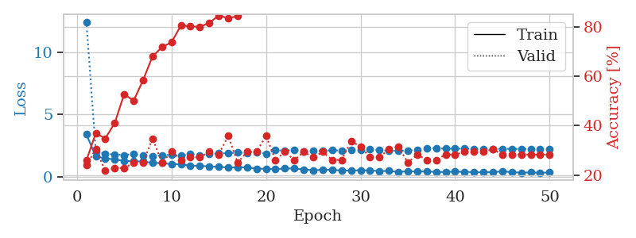
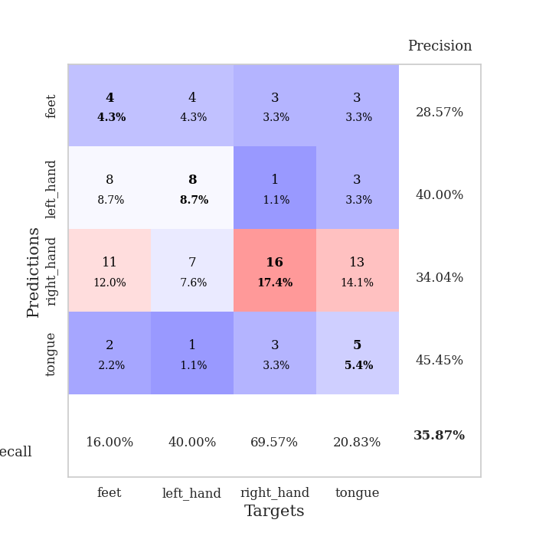
train_loss | valid_loss | train_accuracy | valid_accuracy | dur | train_misclass | valid_misclass
3.3835820996 | 12.427109221 | 0.25815217391 | 0.23913043478 | 0.08229637146 | 25.815217391 | 23.913043478
1.6183314894 | 2.0082941781 | 0.36956521739 | 0.30434782609 | 0.080946207047 | 36.956521739 | 30.434782609
1.4564482958 | 1.8287092084 | 0.34782608696 | 0.21739130435 | 0.080654144287 | 34.782608696 | 21.739130435
1.3759168594 | 1.7828901488 | 0.41032608696 | 0.22826086957 | 0.080852746964 | 41.032608696 | 22.826086957
1.2583342894 | 1.7160185524 | 0.52717391304 | 0.22826086957 | 0.086694717407 | 52.717391304 | 22.826086957
1.2185429438 | 1.833023035 | 0.5 | 0.25 | 0.086478233337 | 50 | 25
1.2142309469 | 1.6629085178 | 0.58423913043 | 0.25 | 0.083960056305 | 58.423913043 | 25
1.090761265 | 1.6560216313 | 0.67934782609 | 0.34782608696 | 0.08232665062 | 67.934782609 | 34.782608696
1.0842674375 | 1.684826825 | 0.71739130435 | 0.25 | 0.080824136734 | 71.739130435 | 25
0.98725193221 | 1.7643045602 | 0.73641304348 | 0.29347826087 | 0.082087993622 | 73.641304348 | 29.347826087
0.98525767482 | 1.6643410403 | 0.80434782609 | 0.26086956522 | 0.083724975586 | 80.434782609 | 26.086956522
0.88072965715 | 1.8134352176 | 0.80163043478 | 0.27173913043 | 0.084987401962 | 80.163043478 | 27.173913043
0.85741903471 | 1.6893827397 | 0.79891304348 | 0.27173913043 | 0.086886405945 | 79.891304348 | 27.173913043
0.81293565553 | 1.8059520514 | 0.8152173913 | 0.29347826087 | 0.085720062256 | 81.52173913 | 29.347826087
0.78510036935 | 1.8551027205 | 0.84510869565 | 0.28260869565 | 0.095200538635 | 84.510869565 | 28.260869565
0.72103263179 | 1.8785658038 | 0.83423913043 | 0.35869565217 | 0.1097381115 | 83.423913043 | 35.869565217
0.73703728163 | 1.9185295675 | 0.84239130435 | 0.25 | 0.10814905167 | 84.239130435 | 25
0.74348512681 | 1.8798739236 | 0.88043478261 | 0.29347826087 | 0.08956861496 | 88.043478261 | 29.347826087
0.62187286564 | 1.9719012561 | 0.92663043478 | 0.29347826087 | 0.08882689476 | 92.663043478 | 29.347826087
0.62877953053 | 1.8405127318 | 0.89402173913 | 0.35869565217 | 0.091245412827 | 89.402173913 | 35.869565217
0.59208496887 | 2.1237133275 | 0.91304347826 | 0.26086956522 | 0.086527109146 | 91.304347826 | 26.086956522
0.6475943612 | 2.0692175575 | 0.9347826087 | 0.29347826087 | 0.085291147232 | 93.47826087 | 29.347826087
0.64690525247 | 2.1470265129 | 0.94293478261 | 0.26086956522 | 0.086548089981 | 94.293478261 | 26.086956522
0.56150984311 | 2.0347029696 | 0.9347826087 | 0.29347826087 | 0.090510845184 | 93.47826087 | 29.347826087
0.50338975567 | 2.0523244609 | 0.97010869565 | 0.27173913043 | 0.084893465042 | 97.010869565 | 27.173913043
0.53516772778 | 2.051055592 | 0.96467391304 | 0.29347826087 | 0.083563327789 | 96.467391304 | 29.347826087
0.53210874744 | 2.1276548064 | 0.92119565217 | 0.26086956522 | 0.083062887192 | 92.119565217 | 26.086956522
0.48507370379 | 2.0687218283 | 0.95652173913 | 0.26086956522 | 0.082582235336 | 95.652173913 | 26.086956522
0.47514109378 | 2.1208726064 | 0.96739130435 | 0.33695652174 | 0.084913253784 | 96.739130435 | 33.695652174
0.50702143234 | 2.1593568481 | 0.97010869565 | 0.3152173913 | 0.086354494095 | 97.010869565 | 31.52173913
0.49201120112 | 2.1684173916 | 0.96195652174 | 0.27173913043 | 0.083780288696 | 96.195652174 | 27.173913043
0.43492950369 | 2.1246074179 | 0.97010869565 | 0.27173913043 | 0.085355043411 | 97.010869565 | 27.173913043
0.44933083265 | 2.0700744183 | 0.98369565217 | 0.30434782609 | 0.083069086075 | 98.369565217 | 30.434782609
0.36726004792 | 2.0674662331 | 0.97826086957 | 0.3152173913 | 0.082269191742 | 97.826086957 | 31.52173913
0.42735085863 | 2.08752798 | 0.98097826087 | 0.25 | 0.081990003586 | 98.097826087 | 25
0.3881796106 | 2.1572235304 | 0.97010869565 | 0.28260869565 | 0.082858562469 | 97.010869565 | 28.260869565
0.41277221947 | 2.2676644999 | 0.97554347826 | 0.26086956522 | 0.082758188248 | 97.554347826 | 26.086956522
0.36448959002 | 2.2777073746 | 0.97554347826 | 0.26086956522 | 0.083199739456 | 97.554347826 | 26.086956522
0.36266360464 | 2.233893353 | 0.98097826087 | 0.28260869565 | 0.082541227341 | 98.097826087 | 28.260869565
0.38577099695 | 2.2355136301 | 0.97282608696 | 0.28260869565 | 0.082582950592 | 97.282608696 | 28.260869565
0.38050003285 | 2.2401766518 | 0.97826086957 | 0.29347826087 | 0.082490921021 | 97.826086957 | 29.347826087
0.34730859068 | 2.2137515493 | 0.98641304348 | 0.29347826087 | 0.085592508316 | 98.641304348 | 29.347826087
0.33096116295 | 2.2027354396 | 0.99184782609 | 0.29347826087 | 0.082512378693 | 99.184782609 | 29.347826087
0.36298773729 | 2.210816627 | 0.99184782609 | 0.30434782609 | 0.08597111702 | 99.184782609 | 30.434782609
0.40633144003 | 2.2215242179 | 0.98913043478 | 0.28260869565 | 0.083074808121 | 98.913043478 | 28.260869565
0.353043483 | 2.2195766698 | 0.98913043478 | 0.28260869565 | 0.082862615585 | 98.913043478 | 28.260869565
0.3080235548 | 2.2173642905 | 0.99184782609 | 0.28260869565 | 0.082431554794 | 99.184782609 | 28.260869565
0.3327654571 | 2.2169904242 | 0.99184782609 | 0.28260869565 | 0.083055734634 | 99.184782609 | 28.260869565
0.30419043808 | 2.2149924195 | 0.99184782609 | 0.28260869565 | 0.082349061966 | 99.184782609 | 28.260869565
0.32471916339 | 2.2133401321 | 0.99184782609 | 0.28260869565 | 0.082237482071 | 99.184782609 | 28.260869565

Best Val accuracy is 0.358695652173913 and Best test accuracy is 0.25862068965517243

Sheet10
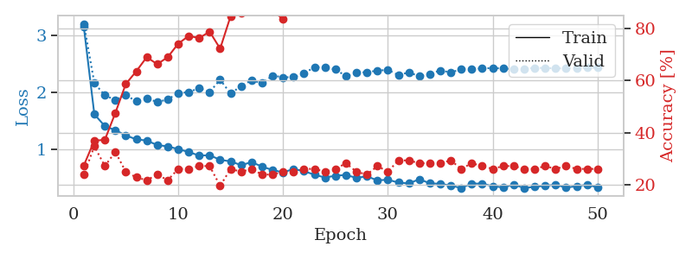
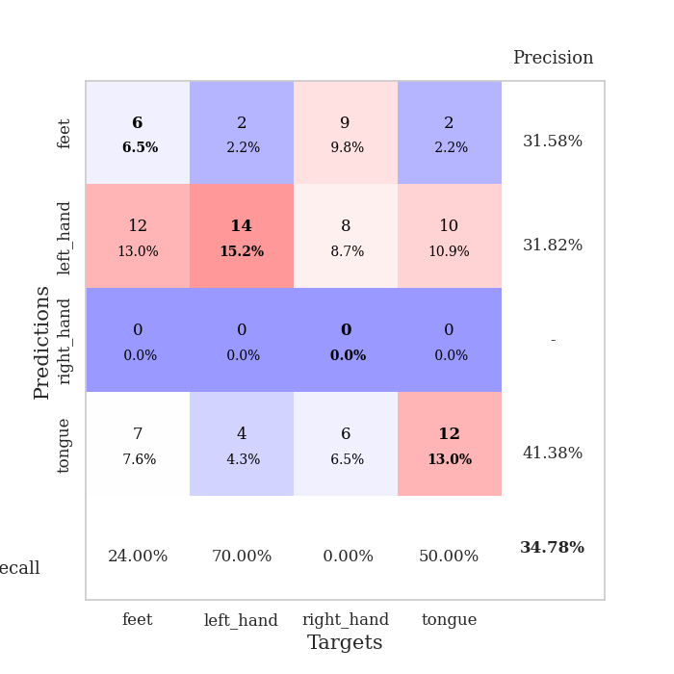
train_loss | valid_loss | train_accuracy | valid_accuracy | dur | train_misclass | valid_misclass
3.1359640308 | 3.1956853141 | 0.27445652174 | 0.23913043478 | 0.087778091431 | 27.445652174 | 23.913043478
1.6172478821 | 2.1623080295 | 0.36956521739 | 0.34782608696 | 0.087291002274 | 36.956521739 | 34.782608696
1.410086865 | 1.9464578629 | 0.3722826087 | 0.27173913043 | 0.08297085762 | 37.22826087 | 27.173913043
1.3394232833 | 1.8672177014 | 0.47554347826 | 0.32608695652 | 0.085415840149 | 47.554347826 | 32.608695652
1.2474089498 | 1.9502432346 | 0.58695652174 | 0.25 | 0.085249185562 | 58.695652174 | 25
1.1796664544 | 1.8437665649 | 0.63586956522 | 0.22826086957 | 0.082950115204 | 63.586956522 | 22.826086957
1.1577242768 | 1.8943927962 | 0.6902173913 | 0.21739130435 | 0.081849336624 | 69.02173913 | 21.739130435
1.0798523452 | 1.8307719645 | 0.66304347826 | 0.23913043478 | 0.082053422928 | 66.304347826 | 23.913043478
1.0567743778 | 1.8739542702 | 0.6902173913 | 0.21739130435 | 0.082221984863 | 69.02173913 | 21.739130435
1.0081186217 | 1.9907702415 | 0.74184782609 | 0.26086956522 | 0.082928419113 | 74.184782609 | 26.086956522
0.95886640704 | 2.0001039505 | 0.77173913043 | 0.26086956522 | 0.082565307617 | 77.173913043 | 26.086956522
0.89582302259 | 2.0755573045 | 0.76358695652 | 0.27173913043 | 0.0822660923 | 76.358695652 | 27.173913043
0.90252801387 | 2.0051672459 | 0.78804347826 | 0.27173913043 | 0.082260608673 | 78.804347826 | 27.173913043
0.82185717251 | 2.2190415756 | 0.72282608696 | 0.19565217391 | 0.082108020782 | 72.282608696 | 19.565217391
0.79503463273 | 1.9766550686 | 0.84782608696 | 0.26086956522 | 0.081979990005 | 84.782608696 | 26.086956522
0.72933386461 | 2.1110259035 | 0.86141304348 | 0.25 | 0.082366943359 | 86.141304348 | 25
0.78177130741 | 2.2100528116 | 0.88586956522 | 0.26086956522 | 0.083220243454 | 88.586956522 | 26.086956522
0.7031270434 | 2.157290241 | 0.88858695652 | 0.23913043478 | 0.082348585129 | 88.858695652 | 23.913043478
0.64461437645 | 2.2917569928 | 0.86684782609 | 0.23913043478 | 0.082409381866 | 86.684782609 | 23.913043478
0.60328366705 | 2.2617198073 | 0.83695652174 | 0.25 | 0.08261179924 | 83.695652174 | 25
0.66178802044 | 2.263737295 | 0.90760869565 | 0.25 | 0.082685232162 | 90.760869565 | 25
0.62376988323 | 2.3298312581 | 0.91847826087 | 0.26086956522 | 0.082773447037 | 91.847826087 | 26.086956522
0.56221370853 | 2.4392968572 | 0.91304347826 | 0.26086956522 | 0.082007408142 | 91.304347826 | 26.086956522
0.51340568066 | 2.4317748961 | 0.95108695652 | 0.25 | 0.082323312759 | 95.108695652 | 25
0.54447183402 | 2.3997175486 | 0.95108695652 | 0.26086956522 | 0.082757234573 | 95.108695652 | 26.086956522
0.55829146504 | 2.281016215 | 0.94565217391 | 0.28260869565 | 0.083112239838 | 94.565217391 | 28.260869565
0.50697857919 | 2.3393447606 | 0.96739130435 | 0.25 | 0.082317590714 | 96.739130435 | 25
0.53466130534 | 2.35227476 | 0.95380434783 | 0.23913043478 | 0.082130670547 | 95.380434783 | 23.913043478
0.46344792195 | 2.3770293671 | 0.94836956522 | 0.27173913043 | 0.086446285248 | 94.836956522 | 27.173913043
0.47587967956 | 2.3920861431 | 0.93206521739 | 0.25 | 0.082968711853 | 93.206521739 | 25
0.42483748042 | 2.2994223263 | 0.95923913043 | 0.29347826087 | 0.08637714386 | 95.923913043 | 29.347826087
0.4104836486 | 2.3473196237 | 0.94293478261 | 0.29347826087 | 0.086239337921 | 94.293478261 | 29.347826087
0.48338393737 | 2.2802041821 | 0.97826086957 | 0.28260869565 | 0.082621574402 | 97.826086957 | 28.260869565
0.41305099363 | 2.3189311546 | 0.97282608696 | 0.28260869565 | 0.083921670914 | 97.282608696 | 28.260869565
0.40312724528 | 2.3825699661 | 0.97282608696 | 0.28260869565 | 0.082337379456 | 97.282608696 | 28.260869565
0.37286293636 | 2.3448846444 | 0.98369565217 | 0.29347826087 | 0.082445383072 | 98.369565217 | 29.347826087
0.33080632207 | 2.4055171842 | 0.98097826087 | 0.26086956522 | 0.08217716217 | 98.097826087 | 26.086956522
0.40867020578 | 2.4038140566 | 0.98369565217 | 0.28260869565 | 0.08233165741 | 98.369565217 | 28.260869565
0.40594087606 | 2.4181131176 | 0.97282608696 | 0.27173913043 | 0.082428455353 | 97.282608696 | 27.173913043
0.36343558295 | 2.4216894067 | 0.97010869565 | 0.26086956522 | 0.082340717316 | 97.010869565 | 26.086956522
0.34155600194 | 2.4161100284 | 0.97282608696 | 0.27173913043 | 0.085218906403 | 97.282608696 | 27.173913043
0.38933981534 | 2.402110898 | 0.98369565217 | 0.27173913043 | 0.085300922394 | 98.369565217 | 27.173913043
0.33097589081 | 2.4119165255 | 0.98641304348 | 0.26086956522 | 0.082882165909 | 98.641304348 | 26.086956522
0.34974808991 | 2.4257097141 | 0.98913043478 | 0.26086956522 | 0.082301616669 | 98.913043478 | 26.086956522
0.37088089404 | 2.424986632 | 0.98369565217 | 0.27173913043 | 0.082317113876 | 98.369565217 | 27.173913043
0.38808765619 | 2.4172076142 | 0.98913043478 | 0.26086956522 | 0.082479000092 | 98.913043478 | 26.086956522
0.33762150096 | 2.4184733577 | 0.98913043478 | 0.27173913043 | 0.082292318344 | 98.913043478 | 27.173913043
0.36358852944 | 2.4251058205 | 0.98913043478 | 0.26086956522 | 0.082339048386 | 98.913043478 | 26.086956522
0.38808051756 | 2.4295045708 | 0.98913043478 | 0.26086956522 | 0.082589387894 | 98.913043478 | 26.086956522
0.34191319087 | 2.4324693058 | 0.98913043478 | 0.26086956522 | 0.082424640656 | 98.913043478 | 26.086956522

Best Val accuracy is 0.34782608695652173 and Best test accuracy is 0.3017241379310345

