Sheet
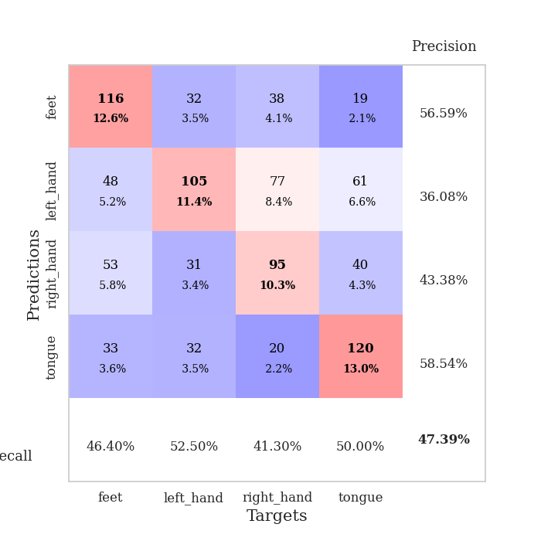
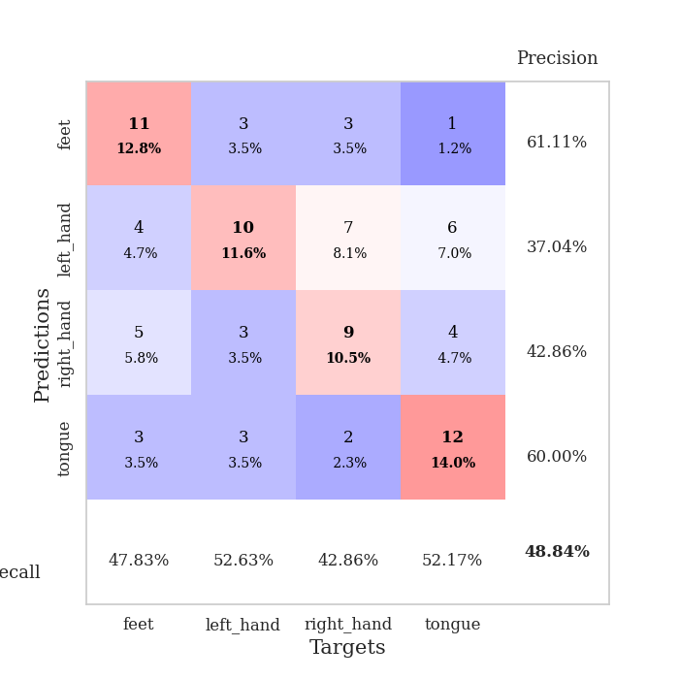
best_val_acc | best_val_los | best_test_acc
0.53260869565 | 1.2631788046 | 0.47413793103
0.53260869565 | 1.3375737978 | 0.40517241379
0.42391304348 | 1.590244853 | 0.38793103448
0.44565217391 | 1.4508893334 | 0.35344827586
0.52173913043 | 1.3914489642 | 0.44827586207
0.5 | 1.4692743913 | 0.40517241379
0.44565217391 | 1.5639998395 | 0.43965517241
0.42391304348 | 1.4176074318 | 0.37068965517
0.4347826087 | 1.476119171 | 0.3275862069
0.47826086957 | 1.5229282846 | 0.41379310345

Mean,std Val accuracy is 0.4739130434782609 , 0.044728403947857875 and mean, std test accuracy is 0.40258620689655167 , 0.04471138786168945

Sheet1
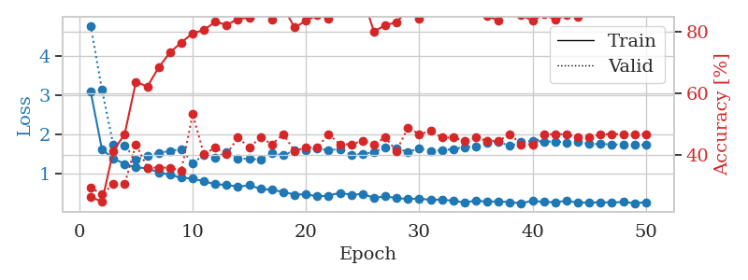
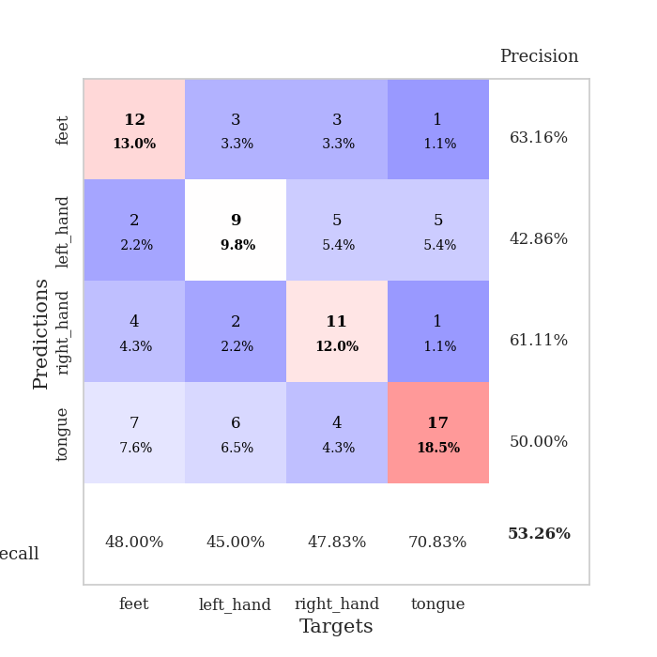
train_loss | valid_loss | train_accuracy | valid_accuracy | dur | train_misclass | valid_misclass
3.0902042596 | 4.7680058168 | 0.26358695652 | 0.29347826087 | 0.086183071136 | 26.358695652 | 29.347826087
1.6130768009 | 3.1351213974 | 0.2472826087 | 0.27173913043 | 0.083296537399 | 24.72826087 | 27.173913043
1.3813055831 | 1.7291965951 | 0.41304347826 | 0.30434782609 | 0.082431077957 | 41.304347826 | 30.434782609
1.2427246571 | 1.7154742168 | 0.46739130435 | 0.30434782609 | 0.082929611206 | 46.739130435 | 30.434782609
1.1530137503 | 1.3470441362 | 0.63858695652 | 0.4347826087 | 0.082482337952 | 63.858695652 | 43.47826087
1.1334290116 | 1.4536947167 | 0.6222826087 | 0.35869565217 | 0.082747459412 | 62.22826087 | 35.869565217
1.0274975507 | 1.5286324957 | 0.6847826087 | 0.35869565217 | 0.082906961441 | 68.47826087 | 35.869565217
0.9667291408 | 1.5733638224 | 0.73369565217 | 0.35869565217 | 0.083531856537 | 73.369565217 | 35.869565217
0.89011096695 | 1.6202021371 | 0.76630434783 | 0.34782608696 | 0.083425283432 | 76.630434783 | 34.782608696
0.86858188069 | 1.2631788046 | 0.79619565217 | 0.53260869565 | 0.08482670784 | 79.619565217 | 53.260869565
0.80057671018 | 1.469000184 | 0.80706521739 | 0.40217391304 | 0.083877325058 | 80.706521739 | 40.217391304
0.72278710163 | 1.3899961762 | 0.83423913043 | 0.42391304348 | 0.084954977036 | 83.423913043 | 42.391304348
0.71060770232 | 1.5552531014 | 0.82336956522 | 0.40217391304 | 0.083314418793 | 82.336956522 | 40.217391304
0.66221482339 | 1.3850653483 | 0.84239130435 | 0.45652173913 | 0.083159446716 | 84.239130435 | 45.652173913
0.69933494666 | 1.3713297533 | 0.84782608696 | 0.42391304348 | 0.082962989807 | 84.782608696 | 42.391304348
0.60826562604 | 1.3539854184 | 0.88315217391 | 0.45652173913 | 0.082991838455 | 88.315217391 | 45.652173913
0.58162009975 | 1.5119384424 | 0.83967391304 | 0.4347826087 | 0.084671020508 | 83.967391304 | 43.47826087
0.53079825381 | 1.4625869523 | 0.88043478261 | 0.46739130435 | 0.085258960724 | 88.043478261 | 46.739130435
0.45914127904 | 1.5936438415 | 0.8152173913 | 0.41304347826 | 0.082978963852 | 81.52173913 | 41.304347826
0.47157296733 | 1.5811217039 | 0.83695652174 | 0.42391304348 | 0.08270907402 | 83.695652174 | 42.391304348
0.41477764625 | 1.6355074592 | 0.85597826087 | 0.42391304348 | 0.082706928253 | 85.597826087 | 42.391304348
0.43648780882 | 1.5929926375 | 0.84510869565 | 0.46739130435 | 0.083132982254 | 84.510869565 | 46.739130435
0.50740602548 | 1.6263850046 | 0.88858695652 | 0.4347826087 | 0.082705497742 | 88.858695652 | 43.47826087
0.45701740229 | 1.4725236478 | 0.91304347826 | 0.4347826087 | 0.082761764526 | 91.304347826 | 43.47826087
0.47596411537 | 1.5011726877 | 0.91576086957 | 0.44565217391 | 0.082667350769 | 91.576086957 | 44.565217391
0.38041209138 | 1.5404100366 | 0.80163043478 | 0.4347826087 | 0.082850694656 | 80.163043478 | 43.47826087
0.413881884 | 1.6706943097 | 0.82336956522 | 0.45652173913 | 0.085754156113 | 82.336956522 | 45.652173913
0.37476784639 | 1.637856245 | 0.83152173913 | 0.41304347826 | 0.0857462883 | 83.152173913 | 41.304347826
0.34782126157 | 1.5514529995 | 0.875 | 0.48913043478 | 0.084576129913 | 87.5 | 48.913043478
0.36293606233 | 1.637741773 | 0.84510869565 | 0.46739130435 | 0.082928180695 | 84.510869565 | 46.739130435
0.3246053386 | 1.5750650323 | 0.91847826087 | 0.47826086957 | 0.083654880524 | 91.847826087 | 47.826086957
0.33878894928 | 1.5910046826 | 0.91304347826 | 0.45652173913 | 0.086405515671 | 91.304347826 | 45.652173913
0.29971625656 | 1.6227919848 | 0.92119565217 | 0.45652173913 | 0.083018064499 | 92.119565217 | 45.652173913
0.25977183554 | 1.6710855235 | 0.8777173913 | 0.44565217391 | 0.082668781281 | 87.77173913 | 44.565217391
0.30859989835 | 1.6976051849 | 0.86684782609 | 0.45652173913 | 0.085493326187 | 86.684782609 | 45.652173913
0.28038195683 | 1.7701812309 | 0.85326086957 | 0.44565217391 | 0.085600137711 | 85.326086957 | 44.565217391
0.28910597398 | 1.809578823 | 0.83695652174 | 0.44565217391 | 0.082816839218 | 83.695652174 | 44.565217391
0.26846902979 | 1.6989409509 | 0.90217391304 | 0.46739130435 | 0.082631349564 | 90.217391304 | 46.739130435
0.24112914665 | 1.7957237078 | 0.85597826087 | 0.4347826087 | 0.082779407501 | 85.597826087 | 43.47826087
0.30323509516 | 1.834434302 | 0.83695652174 | 0.4347826087 | 0.082687854767 | 83.695652174 | 43.47826087
0.27296787792 | 1.8103744258 | 0.85869565217 | 0.46739130435 | 0.083027362823 | 85.869565217 | 46.739130435
0.26807367672 | 1.8168086176 | 0.83967391304 | 0.46739130435 | 0.082561254501 | 83.967391304 | 46.739130435
0.30181782757 | 1.7915881613 | 0.85597826087 | 0.46739130435 | 0.082585811615 | 85.597826087 | 46.739130435
0.25818793864 | 1.8035155794 | 0.85054347826 | 0.45652173913 | 0.082864999771 | 85.054347826 | 45.652173913
0.25705935272 | 1.7565954146 | 0.875 | 0.45652173913 | 0.082690238953 | 87.5 | 45.652173913
0.26706978484 | 1.7507397507 | 0.8777173913 | 0.46739130435 | 0.08280134201 | 87.77173913 | 46.739130435
0.26022860189 | 1.7421829908 | 0.88043478261 | 0.46739130435 | 0.082551240921 | 88.043478261 | 46.739130435
0.27140691844 | 1.7342920096 | 0.88586956522 | 0.46739130435 | 0.082747459412 | 88.586956522 | 46.739130435
0.24458957885 | 1.7297091795 | 0.88586956522 | 0.46739130435 | 0.085938692093 | 88.586956522 | 46.739130435
0.26435718264 | 1.7271300191 | 0.88586956522 | 0.46739130435 | 0.082897663116 | 88.586956522 | 46.739130435

Best Val accuracy is 0.532608695652174 and Best test accuracy is 0.47413793103448276

Sheet2
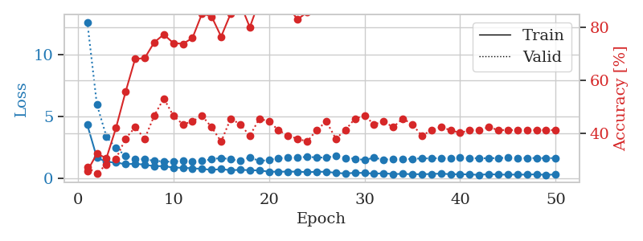
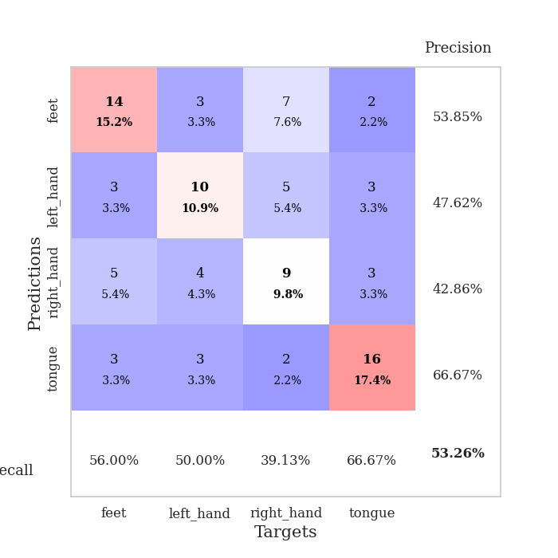
train_loss | valid_loss | train_accuracy | valid_accuracy | dur | train_misclass | valid_misclass
4.3321623232 | 12.669536591 | 0.25815217391 | 0.27173913043 | 0.085245609283 | 25.815217391 | 27.173913043
1.678647741 | 5.9902280932 | 0.32336956522 | 0.25 | 0.08718585968 | 32.336956522 | 25
1.3314770071 | 3.3779387578 | 0.30706521739 | 0.28260869565 | 0.082676172256 | 30.706521739 | 28.260869565
1.2766488816 | 2.4452572387 | 0.42119565217 | 0.30434782609 | 0.082810640335 | 42.119565217 | 30.434782609
1.1409421719 | 1.8350216617 | 0.55706521739 | 0.38043478261 | 0.086514234543 | 55.706521739 | 38.043478261
1.1792215679 | 1.5738344555 | 0.68206521739 | 0.42391304348 | 0.082614183426 | 68.206521739 | 42.391304348
1.103883834 | 1.5556252884 | 0.6847826087 | 0.38043478261 | 0.08445763588 | 68.47826087 | 38.043478261
0.98096387801 | 1.4142528876 | 0.74456521739 | 0.46739130435 | 0.08473610878 | 74.456521739 | 46.739130435
0.98798637027 | 1.3637192094 | 0.77445652174 | 0.53260869565 | 0.085176229477 | 77.445652174 | 53.260869565
0.86841142955 | 1.3375737978 | 0.74184782609 | 0.46739130435 | 0.083099603653 | 74.184782609 | 46.739130435
0.85225827538 | 1.4553095154 | 0.73913043478 | 0.4347826087 | 0.082790136337 | 73.913043478 | 43.47826087
0.80866497755 | 1.3935320066 | 0.76086956522 | 0.44565217391 | 0.085619688034 | 76.086956522 | 44.565217391
0.76254637345 | 1.4189390877 | 0.85326086957 | 0.46739130435 | 0.082747459412 | 85.326086957 | 46.739130435
0.68125664022 | 1.5416344974 | 0.84239130435 | 0.42391304348 | 0.084302186966 | 84.239130435 | 42.391304348
0.74552800085 | 1.6560896791 | 0.76630434783 | 0.36956521739 | 0.089816570282 | 76.630434783 | 36.956521739
0.65455055237 | 1.5370440172 | 0.85326086957 | 0.45652173913 | 0.085689783096 | 85.326086957 | 45.652173913
0.68871183888 | 1.4092918686 | 0.89130434783 | 0.4347826087 | 0.083742141724 | 89.130434783 | 43.47826087
0.65633209503 | 1.6999036696 | 0.80163043478 | 0.39130434783 | 0.086705207825 | 80.163043478 | 39.130434783
0.63762527834 | 1.4022380995 | 0.90217391304 | 0.45652173913 | 0.083610057831 | 90.217391304 | 45.652173913
0.53709526295 | 1.4818191321 | 0.88315217391 | 0.44565217391 | 0.084120988846 | 88.315217391 | 44.565217391
0.53196450161 | 1.6313309669 | 0.86684782609 | 0.41304347826 | 0.082890510559 | 86.684782609 | 41.304347826
0.54367552374 | 1.6614642558 | 0.8777173913 | 0.39130434783 | 0.08291721344 | 87.77173913 | 39.130434783
0.53780387148 | 1.6852340076 | 0.83152173913 | 0.38043478261 | 0.082803249359 | 83.152173913 | 38.043478261
0.49935912827 | 1.7394228707 | 0.85869565217 | 0.36956521739 | 0.082861661911 | 85.869565217 | 36.956521739
0.52072598299 | 1.6913292408 | 0.89402173913 | 0.41304347826 | 0.082921743393 | 89.402173913 | 41.304347826
0.53505749806 | 1.6767989967 | 0.88858695652 | 0.44565217391 | 0.083417892456 | 88.858695652 | 44.565217391
0.43247359602 | 1.805076568 | 0.89130434783 | 0.38043478261 | 0.083084106445 | 89.130434783 | 38.043478261
0.39075873727 | 1.6514524066 | 0.8777173913 | 0.41304347826 | 0.082702159882 | 87.77173913 | 41.304347826
0.44066962794 | 1.5899469282 | 0.88315217391 | 0.45652173913 | 0.082562208176 | 88.315217391 | 45.652173913
0.43405326877 | 1.4846988087 | 0.95652173913 | 0.46739130435 | 0.082797050476 | 95.652173913 | 46.739130435
0.37075730316 | 1.6722898276 | 0.9375 | 0.4347826087 | 0.082814693451 | 93.75 | 43.47826087
0.40876963411 | 1.497534643 | 0.95380434783 | 0.44565217391 | 0.082858800888 | 95.380434783 | 44.565217391
0.34261606893 | 1.5889292385 | 0.92119565217 | 0.42391304348 | 0.082701683044 | 92.119565217 | 42.391304348
0.3602665734 | 1.5518343086 | 0.91576086957 | 0.45652173913 | 0.082795858383 | 91.576086957 | 45.652173913
0.330074068 | 1.5723401412 | 0.91304347826 | 0.4347826087 | 0.082674503326 | 91.304347826 | 43.47826087
0.33243551721 | 1.615593962 | 0.9347826087 | 0.39130434783 | 0.082701206207 | 93.47826087 | 39.130434783
0.34700020597 | 1.6154738043 | 0.93206521739 | 0.41304347826 | 0.082863807678 | 93.206521739 | 41.304347826
0.37991649884 | 1.6382820243 | 0.95108695652 | 0.42391304348 | 0.084415912628 | 95.108695652 | 42.391304348
0.32731224856 | 1.6131479015 | 0.95380434783 | 0.41304347826 | 0.083520650864 | 95.380434783 | 41.304347826
0.32955458501 | 1.6716550537 | 0.9375 | 0.40217391304 | 0.082775354385 | 93.75 | 40.217391304
0.3153811515 | 1.6266625187 | 0.9375 | 0.41304347826 | 0.08308672905 | 93.75 | 41.304347826
0.27391447256 | 1.6298041706 | 0.92119565217 | 0.41304347826 | 0.082716226578 | 92.119565217 | 41.304347826
0.33606140542 | 1.6210084843 | 0.92391304348 | 0.42391304348 | 0.082930803299 | 92.391304348 | 42.391304348
0.29775701139 | 1.6484232623 | 0.92119565217 | 0.41304347826 | 0.085022211075 | 92.119565217 | 41.304347826
0.29520980625 | 1.6590328268 | 0.92934782609 | 0.41304347826 | 0.082732200623 | 92.934782609 | 41.304347826
0.30086665892 | 1.6531801638 | 0.9375 | 0.41304347826 | 0.082573890686 | 93.75 | 41.304347826
0.29582104929 | 1.6436502674 | 0.94293478261 | 0.41304347826 | 0.082672595978 | 94.293478261 | 41.304347826
0.32392286283 | 1.6403516635 | 0.94565217391 | 0.41304347826 | 0.082765817642 | 94.565217391 | 41.304347826
0.27211544954 | 1.6378838757 | 0.94565217391 | 0.41304347826 | 0.082804441452 | 94.565217391 | 41.304347826
0.316665319 | 1.6371755755 | 0.94565217391 | 0.41304347826 | 0.082588434219 | 94.565217391 | 41.304347826

Best Val accuracy is 0.532608695652174 and Best test accuracy is 0.4051724137931034

Sheet3
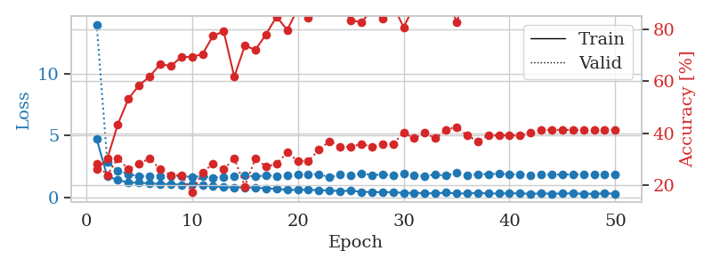
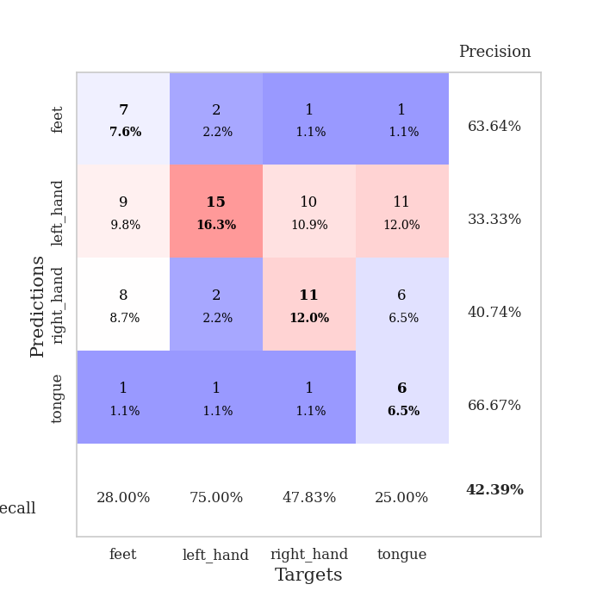
train_loss | valid_loss | train_accuracy | valid_accuracy | dur | train_misclass | valid_misclass
4.7015127877 | 13.96012754 | 0.26086956522 | 0.28260869565 | 0.086134910583 | 26.086956522 | 28.260869565
1.6872004737 | 2.8455183402 | 0.30163043478 | 0.23913043478 | 0.082564115524 | 30.163043478 | 23.913043478
1.3979460053 | 2.1650372277 | 0.4347826087 | 0.30434782609 | 0.08202791214 | 43.47826087 | 30.434782609
1.1863189443 | 1.8765304503 | 0.53260869565 | 0.26086956522 | 0.082654714584 | 53.260869565 | 26.086956522
1.1762748931 | 1.70172894 | 0.58423913043 | 0.28260869565 | 0.082789897919 | 58.423913043 | 28.260869565
1.1249127751 | 1.7266330926 | 0.61684782609 | 0.30434782609 | 0.082012414932 | 61.684782609 | 30.434782609
1.0713158535 | 1.6700305991 | 0.66576086957 | 0.26086956522 | 0.083077192307 | 66.576086957 | 26.086956522
1.0776733419 | 1.6964216906 | 0.65760869565 | 0.23913043478 | 0.082659482956 | 65.760869565 | 23.913043478
1.0035356439 | 1.6848912913 | 0.69293478261 | 0.23913043478 | 0.082342386246 | 69.293478261 | 23.913043478
1.0549390471 | 1.6549442903 | 0.69293478261 | 0.17391304348 | 0.082589387894 | 69.293478261 | 17.391304348
0.95316013305 | 1.7085764719 | 0.70380434783 | 0.25 | 0.084512710571 | 70.380434783 | 25
0.89194421405 | 1.590244853 | 0.77445652174 | 0.28260869565 | 0.082269191742 | 77.445652174 | 28.260869565
0.80821888861 | 1.6424031983 | 0.79076086957 | 0.26086956522 | 0.082510471344 | 79.076086957 | 26.086956522
0.79908248134 | 1.734537332 | 0.61684782609 | 0.30434782609 | 0.082444190979 | 61.684782609 | 30.434782609
0.79877558221 | 1.7637734569 | 0.73641304348 | 0.19565217391 | 0.082303524017 | 73.641304348 | 19.565217391
0.7732661522 | 1.6671380945 | 0.72010869565 | 0.30434782609 | 0.082544565201 | 72.010869565 | 30.434782609
0.71944847444 | 1.7665607877 | 0.77989130435 | 0.27173913043 | 0.082597017288 | 77.989130435 | 27.173913043
0.68941447528 | 1.7295029993 | 0.84782608696 | 0.28260869565 | 0.083447933197 | 84.782608696 | 28.260869565
0.58752185106 | 1.7431123257 | 0.79619565217 | 0.32608695652 | 0.083410978317 | 79.619565217 | 32.608695652
0.60700220258 | 1.8267356416 | 0.8777173913 | 0.29347826087 | 0.084191083908 | 87.77173913 | 29.347826087
0.59232021415 | 1.8511063431 | 0.84239130435 | 0.29347826087 | 0.082944154739 | 84.239130435 | 29.347826087
0.58319512657 | 1.8722784934 | 0.86684782609 | 0.33695652174 | 0.08269572258 | 86.684782609 | 33.695652174
0.54525691789 | 1.6043744709 | 0.92391304348 | 0.36956521739 | 0.082600355148 | 92.391304348 | 36.956521739
0.50489213285 | 1.8563145451 | 0.89130434783 | 0.34782608696 | 0.082619905472 | 89.130434783 | 34.782608696
0.53517641192 | 1.7696263686 | 0.83423913043 | 0.34782608696 | 0.082483291626 | 83.423913043 | 34.782608696
0.43407958876 | 1.9330987308 | 0.82608695652 | 0.35869565217 | 0.08230471611 | 82.608695652 | 35.869565217
0.4288917741 | 1.8024281523 | 0.8722826087 | 0.34782608696 | 0.082236051559 | 87.22826087 | 34.782608696
0.41188695185 | 1.8325581965 | 0.83967391304 | 0.35869565217 | 0.082348823547 | 83.967391304 | 35.869565217
0.42046488109 | 1.7600630781 | 0.89130434783 | 0.35869565217 | 0.13110804558 | 89.130434783 | 35.869565217
0.34366581816 | 1.8895229257 | 0.80706521739 | 0.40217391304 | 0.084191083908 | 80.706521739 | 40.217391304
0.35841693988 | 1.7429022685 | 0.88858695652 | 0.38043478261 | 0.084038972855 | 88.858695652 | 38.043478261
0.33034936306 | 1.7155695894 | 0.91304347826 | 0.40217391304 | 0.083304166794 | 91.304347826 | 40.217391304
0.31024544524 | 1.838860149 | 0.90217391304 | 0.38043478261 | 0.082635164261 | 90.217391304 | 38.043478261
0.37131369665 | 1.7475959425 | 0.9402173913 | 0.41304347826 | 0.082365989685 | 94.02173913 | 41.304347826
0.31449052044 | 1.954858189 | 0.82608695652 | 0.42391304348 | 0.085158348083 | 82.608695652 | 42.391304348
0.30020890547 | 1.7521297206 | 0.94565217391 | 0.39130434783 | 0.083512783051 | 94.565217391 | 39.130434783
0.36113488415 | 1.8598924616 | 0.93206521739 | 0.36956521739 | 0.08302283287 | 93.206521739 | 36.956521739
0.30397475673 | 1.8750849703 | 0.91847826087 | 0.39130434783 | 0.082714796066 | 91.847826087 | 39.130434783
0.30275937364 | 1.9038197994 | 0.92119565217 | 0.39130434783 | 0.082697868347 | 92.119565217 | 39.130434783
0.3247634762 | 1.866821994 | 0.9375 | 0.39130434783 | 0.082595825195 | 93.75 | 39.130434783
0.31501192632 | 1.8255998052 | 0.94836956522 | 0.39130434783 | 0.082450151443 | 94.836956522 | 39.130434783
0.28088939125 | 1.8074977605 | 0.95108695652 | 0.40217391304 | 0.082669973373 | 95.108695652 | 40.217391304
0.31455100198 | 1.8122450061 | 0.93206521739 | 0.41304347826 | 0.082481145859 | 93.206521739 | 41.304347826
0.28889058142 | 1.8325533141 | 0.92934782609 | 0.41304347826 | 0.083114147186 | 92.934782609 | 41.304347826
0.30395461165 | 1.8333597494 | 0.92934782609 | 0.41304347826 | 0.0824239254 | 92.934782609 | 41.304347826
0.31633889027 | 1.8428554224 | 0.93206521739 | 0.41304347826 | 0.084232330322 | 93.206521739 | 41.304347826
0.28322121614 | 1.8453641352 | 0.93206521739 | 0.41304347826 | 0.082902669907 | 93.206521739 | 41.304347826
0.2845364903 | 1.8448348356 | 0.9375 | 0.41304347826 | 0.089460849762 | 93.75 | 41.304347826
0.31467346329 | 1.8436912557 | 0.9375 | 0.41304347826 | 0.10750150681 | 93.75 | 41.304347826
0.29546303011 | 1.841466883 | 0.9375 | 0.41304347826 | 0.10937952995 | 93.75 | 41.304347826

Best Val accuracy is 0.42391304347826086 and Best test accuracy is 0.3879310344827586

Sheet4
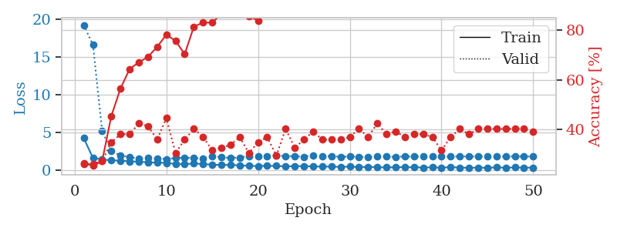
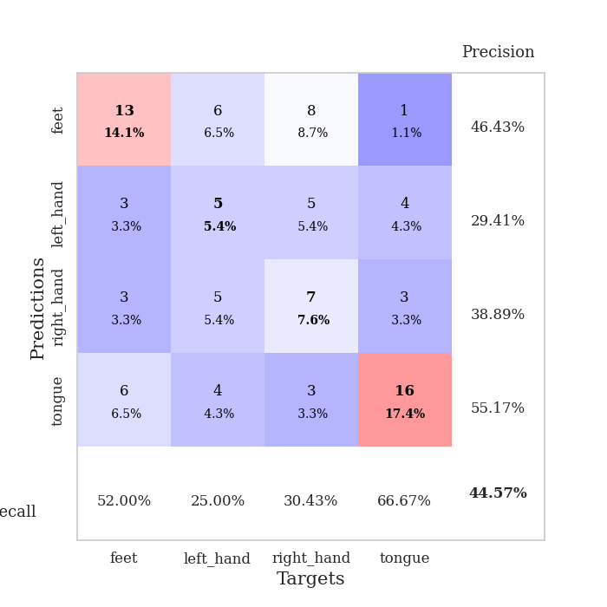
train_loss | valid_loss | train_accuracy | valid_accuracy | dur | train_misclass | valid_misclass
4.2107660148 | 19.195677882 | 0.26358695652 | 0.26086956522 | 0.080804347992 | 26.358695652 | 26.086956522
1.585510285 | 16.58990039 | 0.2527173913 | 0.26086956522 | 0.082563400269 | 25.27173913 | 26.086956522
1.414695833 | 5.1368803563 | 0.27173913043 | 0.27173913043 | 0.081385850906 | 27.173913043 | 27.173913043
1.2607252572 | 2.5703754632 | 0.45380434783 | 0.34782608696 | 0.081246614456 | 45.380434783 | 34.782608696
1.2484685805 | 1.9054198576 | 0.5652173913 | 0.38043478261 | 0.079889774323 | 56.52173913 | 38.043478261
1.136811005 | 1.7291515806 | 0.64402173913 | 0.38043478261 | 0.081682682037 | 64.402173913 | 38.043478261
1.112177232 | 1.478339812 | 0.67119565217 | 0.42391304348 | 0.080596923828 | 67.119565217 | 42.391304348
1.0198175674 | 1.5712204705 | 0.69293478261 | 0.41304347826 | 0.080275058746 | 69.293478261 | 41.304347826
0.97152594639 | 1.5515469986 | 0.73369565217 | 0.35869565217 | 0.084524393082 | 73.369565217 | 35.869565217
0.94169907207 | 1.4508893334 | 0.78260869565 | 0.44565217391 | 0.081883192062 | 78.260869565 | 44.565217391
0.79966390651 | 1.5693321021 | 0.75815217391 | 0.30434782609 | 0.081174373627 | 75.815217391 | 30.434782609
0.75924103804 | 1.6500755548 | 0.70380434783 | 0.35869565217 | 0.080558776855 | 70.380434783 | 35.869565217
0.86698443734 | 1.5597232684 | 0.8152173913 | 0.40217391304 | 0.080832481384 | 81.52173913 | 40.217391304
0.77780381234 | 1.5530691976 | 0.83152173913 | 0.36956521739 | 0.080961704254 | 83.152173913 | 36.956521739
0.71128943951 | 1.8269074067 | 0.83152173913 | 0.3152173913 | 0.08062171936 | 83.152173913 | 31.52173913
0.66078453738 | 1.6909530007 | 0.86684782609 | 0.32608695652 | 0.080883979797 | 86.684782609 | 32.608695652
0.67997945392 | 1.6038722111 | 0.90217391304 | 0.33695652174 | 0.08086848259 | 90.217391304 | 33.695652174
0.60728563822 | 1.6501419441 | 0.89673913043 | 0.36956521739 | 0.083265542984 | 89.673913043 | 36.956521739
0.5427978583 | 1.8380233412 | 0.85869565217 | 0.30434782609 | 0.081150054932 | 85.869565217 | 30.434782609
0.52946164815 | 1.8033851333 | 0.83967391304 | 0.34782608696 | 0.081151723862 | 83.967391304 | 34.782608696
0.54359829167 | 1.8414185047 | 0.91032608696 | 0.36956521739 | 0.085245847702 | 91.032608696 | 36.956521739
0.53946064996 | 1.95498934 | 0.91032608696 | 0.29347826087 | 0.08135175705 | 91.032608696 | 29.347826087
0.46322079327 | 1.8210718321 | 0.95108695652 | 0.40217391304 | 0.081439971924 | 95.108695652 | 40.217391304
0.51140826357 | 1.837650185 | 0.92391304348 | 0.32608695652 | 0.081380605698 | 92.391304348 | 32.608695652
0.48810167287 | 1.7471692251 | 0.94836956522 | 0.35869565217 | 0.081240653992 | 94.836956522 | 35.869565217
0.47553719321 | 1.9582466354 | 0.96195652174 | 0.39130434783 | 0.081389665604 | 96.195652174 | 39.130434783
0.44045028674 | 1.8146223918 | 0.95923913043 | 0.35869565217 | 0.081382989883 | 95.923913043 | 35.869565217
0.45627131605 | 1.8542464712 | 0.95380434783 | 0.35869565217 | 0.08138012886 | 95.380434783 | 35.869565217
0.40139538698 | 1.7366064683 | 0.95652173913 | 0.35869565217 | 0.081498861313 | 95.652173913 | 35.869565217
0.44435860735 | 1.7906158903 | 0.97554347826 | 0.36956521739 | 0.081469774246 | 97.554347826 | 36.956521739
0.38375917401 | 1.7342813792 | 0.97826086957 | 0.40217391304 | 0.081707000732 | 97.826086957 | 40.217391304
0.40690403529 | 1.7118554167 | 0.99184782609 | 0.36956521739 | 0.082030057907 | 99.184782609 | 36.956521739
0.35453477761 | 1.7771533624 | 0.98641304348 | 0.42391304348 | 0.082380533218 | 98.641304348 | 42.391304348
0.3398882954 | 1.7774885219 | 0.98097826087 | 0.38043478261 | 0.081530570984 | 98.097826087 | 38.043478261
0.35938044378 | 1.7456117713 | 0.98097826087 | 0.39130434783 | 0.081950902939 | 98.097826087 | 39.130434783
0.38045365979 | 1.7804987068 | 0.97826086957 | 0.36956521739 | 0.08199763298 | 97.826086957 | 36.956521739
0.34540521839 | 1.7864039929 | 0.97282608696 | 0.38043478261 | 0.082127571106 | 97.282608696 | 38.043478261
0.32889037806 | 1.7873034114 | 0.97826086957 | 0.38043478261 | 0.086057662964 | 97.826086957 | 38.043478261
0.3412361469 | 1.7873556925 | 0.98097826087 | 0.36956521739 | 0.084925174713 | 98.097826087 | 36.956521739
0.30168081917 | 1.7673139158 | 0.98641304348 | 0.3152173913 | 0.082653999329 | 98.641304348 | 31.52173913
0.37650935125 | 1.7650739784 | 0.98369565217 | 0.36956521739 | 0.082628726959 | 98.369565217 | 36.956521739
0.3263344512 | 1.7942084696 | 0.98097826087 | 0.40217391304 | 0.08310008049 | 98.097826087 | 40.217391304
0.28451989283 | 1.7939134318 | 0.98369565217 | 0.38043478261 | 0.082694768906 | 98.369565217 | 38.043478261
0.32105764811 | 1.7928206558 | 0.98369565217 | 0.40217391304 | 0.082870721817 | 98.369565217 | 40.217391304
0.28030138884 | 1.780016925 | 0.98641304348 | 0.40217391304 | 0.081961154938 | 98.641304348 | 40.217391304
0.34691814625 | 1.7812379495 | 0.98641304348 | 0.40217391304 | 0.081494092941 | 98.641304348 | 40.217391304
0.29351372758 | 1.7850114729 | 0.98913043478 | 0.40217391304 | 0.081618070602 | 98.913043478 | 40.217391304
0.34561506853 | 1.7859061853 | 0.98913043478 | 0.40217391304 | 0.081495523453 | 98.913043478 | 40.217391304
0.29842696371 | 1.7864746425 | 0.98913043478 | 0.40217391304 | 0.083754301071 | 98.913043478 | 40.217391304
0.32757043839 | 1.7866845908 | 0.98913043478 | 0.39130434783 | 0.08336353302 | 98.913043478 | 39.130434783

Best Val accuracy is 0.44565217391304346 and Best test accuracy is 0.35344827586206895

Sheet5
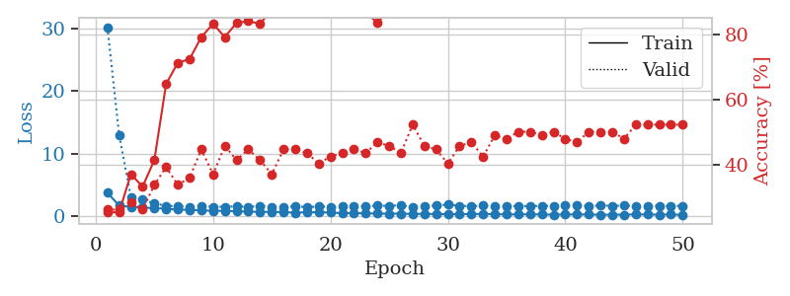
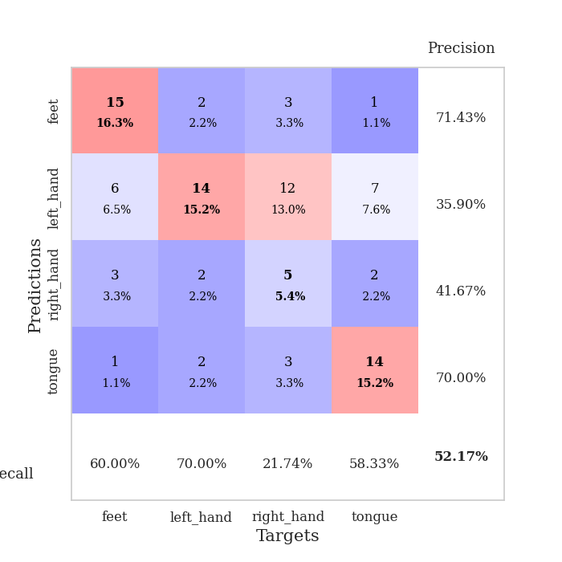
train_loss | valid_loss | train_accuracy | valid_accuracy | dur | train_misclass | valid_misclass
3.723286183 | 30.280883126 | 0.2527173913 | 0.26086956522 | 0.085733890533 | 25.27173913 | 26.086956522
1.664431629 | 13.012459092 | 0.2527173913 | 0.26086956522 | 0.082626581192 | 25.27173913 | 26.086956522
1.4610114901 | 3.0234622126 | 0.36956521739 | 0.28260869565 | 0.081474304199 | 36.956521739 | 28.260869565
1.3421930386 | 2.6464545934 | 0.33152173913 | 0.26086956522 | 0.081523656845 | 33.152173913 | 26.086956522
1.2714264652 | 2.022498929 | 0.41304347826 | 0.33695652174 | 0.081853866577 | 41.304347826 | 33.695652174
1.1467632029 | 1.6185707942 | 0.64673913043 | 0.39130434783 | 0.083935499191 | 64.673913043 | 39.130434783
1.0163970382 | 1.5941897475 | 0.71195652174 | 0.33695652174 | 0.084263563156 | 71.195652174 | 33.695652174
0.9928313416 | 1.4255056433 | 0.72282608696 | 0.35869565217 | 0.083507299423 | 72.282608696 | 35.869565217
0.90239726201 | 1.5663740946 | 0.79076086957 | 0.44565217391 | 0.082807302475 | 79.076086957 | 44.565217391
0.81840044519 | 1.4859055954 | 0.83152173913 | 0.36956521739 | 0.082518339157 | 83.152173913 | 36.956521739
0.8338363663 | 1.4834026772 | 0.79076086957 | 0.45652173913 | 0.084293603897 | 79.076086957 | 45.652173913
0.74864337755 | 1.5439793856 | 0.83423913043 | 0.41304347826 | 0.082951307297 | 83.423913043 | 41.304347826
0.71295280301 | 1.4591171431 | 0.83967391304 | 0.44565217391 | 0.084553003311 | 83.967391304 | 44.565217391
0.65098024062 | 1.5878299112 | 0.83152173913 | 0.41304347826 | 0.083395242691 | 83.152173913 | 41.304347826
0.6573775009 | 1.4546962354 | 0.875 | 0.36956521739 | 0.083107471466 | 87.5 | 36.956521739
0.62237392949 | 1.4282265798 | 0.89945652174 | 0.44565217391 | 0.080961227417 | 89.945652174 | 44.565217391
0.52512470276 | 1.5382547275 | 0.88315217391 | 0.44565217391 | 0.081732273102 | 88.315217391 | 44.565217391
0.60366773217 | 1.4402422957 | 0.92934782609 | 0.4347826087 | 0.085157871246 | 92.934782609 | 43.47826087
0.58354462878 | 1.5031982194 | 0.91032608696 | 0.40217391304 | 0.08029794693 | 91.032608696 | 40.217391304
0.56323670304 | 1.4766320042 | 0.90760869565 | 0.42391304348 | 0.083035230637 | 90.760869565 | 42.391304348
0.43801270166 | 1.4944207357 | 0.92663043478 | 0.4347826087 | 0.084874391556 | 92.663043478 | 43.47826087
0.46898559384 | 1.5630688771 | 0.92663043478 | 0.44565217391 | 0.082319021225 | 92.663043478 | 44.565217391
0.40847412918 | 1.559438353 | 0.86684782609 | 0.4347826087 | 0.080901861191 | 86.684782609 | 43.47826087
0.384302758 | 1.6497441893 | 0.83423913043 | 0.46739130435 | 0.079497337341 | 83.423913043 | 46.739130435
0.36856384381 | 1.6242069058 | 0.8777173913 | 0.45652173913 | 0.079766988754 | 87.77173913 | 45.652173913
0.37778480902 | 1.7188969177 | 0.9375 | 0.4347826087 | 0.079775094986 | 93.75 | 43.47826087
0.33162631678 | 1.3914489642 | 0.93206521739 | 0.52173913043 | 0.080526351929 | 93.206521739 | 52.173913043
0.33905893953 | 1.5930177232 | 0.9347826087 | 0.45652173913 | 0.082324981689 | 93.47826087 | 45.652173913
0.29787546882 | 1.6456624632 | 0.86684782609 | 0.44565217391 | 0.082346200943 | 86.684782609 | 44.565217391
0.27711218596 | 1.8437338394 | 0.8777173913 | 0.40217391304 | 0.080409049988 | 87.77173913 | 40.217391304
0.29336621839 | 1.6322383362 | 0.96739130435 | 0.45652173913 | 0.08154463768 | 96.739130435 | 45.652173913
0.31719319782 | 1.5648142048 | 0.96467391304 | 0.46739130435 | 0.086636781693 | 96.467391304 | 46.739130435
0.31685339821 | 1.6527242557 | 0.97826086957 | 0.42391304348 | 0.083250999451 | 97.826086957 | 42.391304348
0.29355866624 | 1.5709580235 | 0.96739130435 | 0.48913043478 | 0.082800865173 | 96.739130435 | 48.913043478
0.24491389517 | 1.6066434798 | 0.95380434783 | 0.47826086957 | 0.083742141724 | 95.380434783 | 47.826086957
0.2631146085 | 1.5821165935 | 0.96739130435 | 0.5 | 0.083765983582 | 96.739130435 | 50
0.25737249851 | 1.5819336642 | 0.96195652174 | 0.5 | 0.084140300751 | 96.195652174 | 50
0.25394446759 | 1.6227205007 | 0.9375 | 0.48913043478 | 0.089569807053 | 93.75 | 48.913043478
0.21659192168 | 1.613657319 | 0.9402173913 | 0.5 | 0.081511259079 | 94.02173913 | 50
0.24109310981 | 1.6621626667 | 0.9347826087 | 0.47826086957 | 0.081273078918 | 93.47826087 | 47.826086957
0.23864438514 | 1.679572095 | 0.9402173913 | 0.46739130435 | 0.083693504333 | 94.02173913 | 46.739130435
0.24288657632 | 1.6355753463 | 0.95652173913 | 0.5 | 0.085730552673 | 95.652173913 | 50
0.18262065769 | 1.6658210651 | 0.95108695652 | 0.5 | 0.084730148315 | 95.108695652 | 50
0.21763449162 | 1.6390697127 | 0.96467391304 | 0.5 | 0.086648702621 | 96.467391304 | 50
0.21128218556 | 1.6483952377 | 0.97010869565 | 0.47826086957 | 0.084264039993 | 97.010869565 | 47.826086957
0.25960758685 | 1.6219237887 | 0.97282608696 | 0.52173913043 | 0.083276510239 | 97.282608696 | 52.173913043
0.23178719405 | 1.6159727159 | 0.97826086957 | 0.52173913043 | 0.081254720688 | 97.826086957 | 52.173913043
0.21454854472 | 1.6165269976 | 0.98097826087 | 0.52173913043 | 0.081205368042 | 98.097826087 | 52.173913043
0.22650818235 | 1.619284889 | 0.98369565217 | 0.52173913043 | 0.085841417313 | 98.369565217 | 52.173913043
0.19084768386 | 1.6215168393 | 0.98641304348 | 0.52173913043 | 0.084970712662 | 98.641304348 | 52.173913043

Best Val accuracy is 0.5217391304347826 and Best test accuracy is 0.4482758620689655

Sheet6
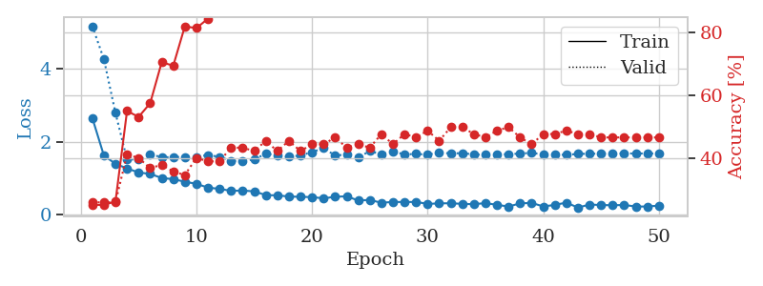
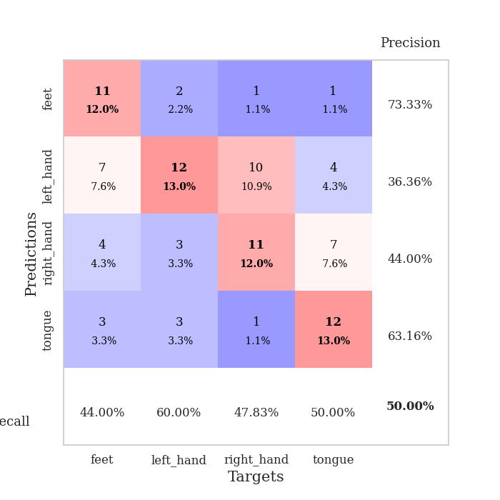
train_loss | valid_loss | train_accuracy | valid_accuracy | dur | train_misclass | valid_misclass
2.647177349 | 5.1641896704 | 0.2527173913 | 0.26086956522 | 0.083842515945 | 25.27173913 | 26.086956522
1.6191207274 | 4.2590286006 | 0.2527173913 | 0.26086956522 | 0.086371421814 | 25.27173913 | 26.086956522
1.3943157507 | 2.7879697551 | 0.26358695652 | 0.26086956522 | 0.082534790039 | 26.358695652 | 26.086956522
1.2661412358 | 1.5127967389 | 0.55163043478 | 0.41304347826 | 0.082239151001 | 55.163043478 | 41.304347826
1.1569863998 | 1.5135207591 | 0.53260869565 | 0.40217391304 | 0.082550764084 | 53.260869565 | 40.217391304
1.1158898265 | 1.6588750404 | 0.57608695652 | 0.36956521739 | 0.1030330658 | 57.608695652 | 36.956521739
1.005950894 | 1.5705680795 | 0.70652173913 | 0.38043478261 | 0.10145282745 | 70.652173913 | 38.043478261
0.97161118881 | 1.5769269933 | 0.69565217391 | 0.35869565217 | 0.10281801224 | 69.565217391 | 35.869565217
0.9035917365 | 1.5818772316 | 0.82065217391 | 0.34782608696 | 0.10935330391 | 82.065217391 | 34.782608696
0.84392713723 | 1.5832259603 | 0.8152173913 | 0.40217391304 | 0.10786509514 | 81.52173913 | 40.217391304
0.74217761729 | 1.6363475634 | 0.84510869565 | 0.39130434783 | 0.10074186325 | 84.510869565 | 39.130434783
0.70578084433 | 1.5836567671 | 0.8722826087 | 0.39130434783 | 0.10844326019 | 87.22826087 | 39.130434783
0.6538345438 | 1.4750764577 | 0.89945652174 | 0.4347826087 | 0.10447669029 | 89.945652174 | 43.47826087
0.6601525286 | 1.4692743913 | 0.88858695652 | 0.4347826087 | 0.10695290565 | 88.858695652 | 43.47826087
0.63866740595 | 1.5118002892 | 0.91847826087 | 0.42391304348 | 0.11364269257 | 91.847826087 | 42.391304348
0.53614194367 | 1.6722232362 | 0.91032608696 | 0.45652173913 | 0.10775613785 | 91.032608696 | 45.652173913
0.52859038115 | 1.6236464355 | 0.95652173913 | 0.42391304348 | 0.10479283333 | 95.652173913 | 42.391304348
0.49751919054 | 1.5849012758 | 0.94836956522 | 0.45652173913 | 0.10462498665 | 94.836956522 | 45.652173913
0.4882749643 | 1.6221925849 | 0.93206521739 | 0.42391304348 | 0.10600495338 | 93.206521739 | 42.391304348
0.48151859382 | 1.7147311698 | 0.95108695652 | 0.44565217391 | 0.10929656029 | 95.108695652 | 44.565217391
0.44703371434 | 1.8243089137 | 0.94565217391 | 0.44565217391 | 0.10648751259 | 94.565217391 | 44.565217391
0.48912683453 | 1.6198474791 | 0.98641304348 | 0.46739130435 | 0.094489812851 | 98.641304348 | 46.739130435
0.50386476128 | 1.6489166436 | 0.98097826087 | 0.4347826087 | 0.081998586655 | 98.097826087 | 43.47826087
0.38708192045 | 1.5689531409 | 0.96739130435 | 0.44565217391 | 0.080192327499 | 96.739130435 | 44.565217391
0.40476663022 | 1.7418192314 | 0.94565217391 | 0.4347826087 | 0.081510305405 | 94.565217391 | 43.47826087
0.32497907203 | 1.6527344507 | 0.98369565217 | 0.47826086957 | 0.080645084381 | 98.369565217 | 47.826086957
0.34955007227 | 1.7412276631 | 0.97282608696 | 0.44565217391 | 0.081068754196 | 97.282608696 | 44.565217391
0.34559867142 | 1.646358008 | 0.98369565217 | 0.47826086957 | 0.080611228943 | 98.369565217 | 47.826086957
0.34926920546 | 1.6674391446 | 0.98097826087 | 0.46739130435 | 0.080575466156 | 98.097826087 | 46.739130435
0.29418887198 | 1.640329361 | 0.98641304348 | 0.48913043478 | 0.081034183502 | 98.641304348 | 48.913043478
0.30951142441 | 1.7104924088 | 0.98369565217 | 0.45652173913 | 0.084831953049 | 98.369565217 | 45.652173913
0.31257836164 | 1.673713456 | 0.97826086957 | 0.5 | 0.085737943649 | 97.826086957 | 50
0.29558437058 | 1.688959158 | 0.98913043478 | 0.5 | 0.09706902504 | 98.913043478 | 50
0.28734067244 | 1.646977689 | 0.9972826087 | 0.47826086957 | 0.090488195419 | 99.72826087 | 47.826086957
0.31576140776 | 1.6415072265 | 0.98641304348 | 0.46739130435 | 0.08492064476 | 98.641304348 | 46.739130435
0.26985850477 | 1.6602494043 | 0.99184782609 | 0.48913043478 | 0.082500457764 | 99.184782609 | 48.913043478
0.22177030745 | 1.6527660463 | 0.99456521739 | 0.5 | 0.081428289413 | 99.456521739 | 50
0.31002380634 | 1.6769990662 | 0.99184782609 | 0.46739130435 | 0.081161499023 | 99.184782609 | 46.739130435
0.32188456117 | 1.6906452749 | 0.99456521739 | 0.44565217391 | 0.082223176956 | 99.456521739 | 44.565217391
0.22540890231 | 1.6495620427 | 1 | 0.47826086957 | 0.081431865692 | 100 | 47.826086957
0.26628976704 | 1.6462680101 | 1 | 0.47826086957 | 0.081576824188 | 100 | 47.826086957
0.33057579398 | 1.6377591206 | 0.9972826087 | 0.48913043478 | 0.080845117569 | 99.72826087 | 48.913043478
0.19383983751 | 1.6643876148 | 1 | 0.47826086957 | 0.081292629242 | 100 | 47.826086957
0.27693277921 | 1.6697669185 | 0.9972826087 | 0.47826086957 | 0.081038236618 | 99.72826087 | 47.826086957
0.2636939454 | 1.672500118 | 0.9972826087 | 0.46739130435 | 0.080718755722 | 99.72826087 | 46.739130435
0.25820295351 | 1.6787019605 | 0.9972826087 | 0.46739130435 | 0.081099510193 | 99.72826087 | 46.739130435
0.26443179017 | 1.6767185823 | 0.9972826087 | 0.46739130435 | 0.081407785416 | 99.72826087 | 46.739130435
0.22461380129 | 1.6766561477 | 0.9972826087 | 0.46739130435 | 0.081432580948 | 99.72826087 | 46.739130435
0.2220209215 | 1.6768272441 | 0.9972826087 | 0.46739130435 | 0.081256389618 | 99.72826087 | 46.739130435
0.24926276797 | 1.6765645483 | 0.9972826087 | 0.46739130435 | 0.081398010254 | 99.72826087 | 46.739130435

Best Val accuracy is 0.5 and Best test accuracy is 0.4051724137931034

Sheet7
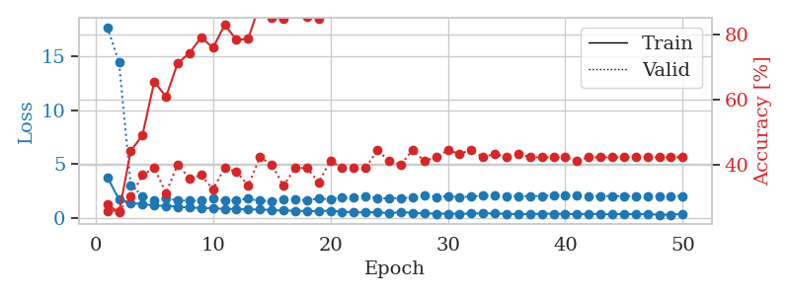
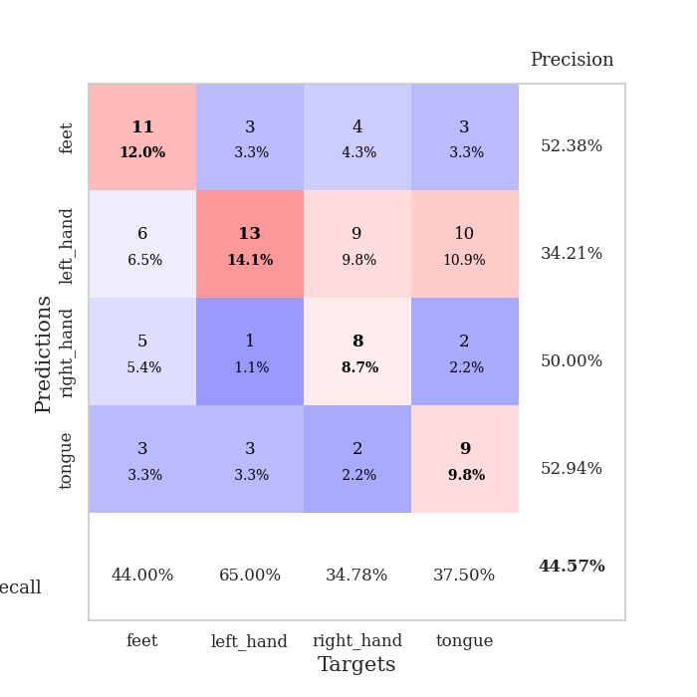
train_loss | valid_loss | train_accuracy | valid_accuracy | dur | train_misclass | valid_misclass
3.7777213377 | 17.711887899 | 0.27989130435 | 0.26086956522 | 0.082396745682 | 27.989130435 | 26.086956522
1.7074875728 | 14.436642025 | 0.25543478261 | 0.26086956522 | 0.080712080002 | 25.543478261 | 26.086956522
1.386089382 | 3.0387714738 | 0.44293478261 | 0.30434782609 | 0.080542564392 | 44.293478261 | 30.434782609
1.2621640796 | 2.0243967512 | 0.49184782609 | 0.36956521739 | 0.082003831863 | 49.184782609 | 36.956521739
1.1381278194 | 1.6521959201 | 0.65489130435 | 0.39130434783 | 0.088418006897 | 65.489130435 | 39.130434783
1.1030076846 | 1.835122067 | 0.60869565217 | 0.3152173913 | 0.094838619232 | 60.869565217 | 31.52173913
1.0279145085 | 1.6044130947 | 0.71195652174 | 0.40217391304 | 0.084549427032 | 71.195652174 | 40.217391304
0.94504246504 | 1.5871745711 | 0.74184782609 | 0.35869565217 | 0.083723783493 | 74.184782609 | 35.869565217
0.90696134256 | 1.5842156462 | 0.79076086957 | 0.36956521739 | 0.084358692169 | 79.076086957 | 36.956521739
0.89020501272 | 1.795457757 | 0.75815217391 | 0.32608695652 | 0.086235523224 | 75.815217391 | 32.608695652
0.81338111991 | 1.5856965936 | 0.82880434783 | 0.39130434783 | 0.085669755936 | 82.880434783 | 39.130434783
0.83396981073 | 1.658057783 | 0.78260869565 | 0.38043478261 | 0.09263920784 | 78.260869565 | 38.043478261
0.77679681389 | 1.7634388571 | 0.78532608696 | 0.33695652174 | 0.083013296127 | 78.532608696 | 33.695652174
0.77882029181 | 1.5825592124 | 0.89402173913 | 0.42391304348 | 0.083294630051 | 89.402173913 | 42.391304348
0.71519710318 | 1.5639998395 | 0.85054347826 | 0.40217391304 | 0.088398933411 | 85.054347826 | 40.217391304
0.66272860636 | 1.732069793 | 0.84782608696 | 0.33695652174 | 0.082474708557 | 84.782608696 | 33.695652174
0.65753784776 | 1.6710268415 | 0.89130434783 | 0.39130434783 | 0.082566738129 | 89.130434783 | 39.130434783
0.6109744129 | 1.6459276469 | 0.85326086957 | 0.39130434783 | 0.082938194275 | 85.326086957 | 39.130434783
0.62446297122 | 1.7846543582 | 0.84782608696 | 0.34782608696 | 0.082854270935 | 84.782608696 | 34.782608696
0.66098063666 | 1.7219499972 | 0.90217391304 | 0.41304347826 | 0.082851648331 | 90.217391304 | 41.304347826
0.56861216219 | 1.8541762466 | 0.91032608696 | 0.39130434783 | 0.083992004395 | 91.032608696 | 39.130434783
0.50323353773 | 1.854280337 | 0.94836956522 | 0.39130434783 | 0.082244634628 | 94.836956522 | 39.130434783
0.50429387196 | 1.9918495779 | 0.92119565217 | 0.39130434783 | 0.08278131485 | 92.119565217 | 39.130434783
0.51859566958 | 1.8335147422 | 0.89673913043 | 0.44565217391 | 0.08321595192 | 89.673913043 | 44.565217391
0.41371448921 | 1.7900859377 | 0.94836956522 | 0.41304347826 | 0.082561016083 | 94.836956522 | 41.304347826
0.52359769072 | 1.850049817 | 0.96467391304 | 0.40217391304 | 0.082364797592 | 96.467391304 | 40.217391304
0.46134060168 | 1.8548004627 | 0.91304347826 | 0.44565217391 | 0.082257032394 | 91.304347826 | 44.565217391
0.41279035029 | 2.0819204061 | 0.89402173913 | 0.41304347826 | 0.082575082779 | 89.402173913 | 41.304347826
0.37979491703 | 1.9399675183 | 0.95108695652 | 0.42391304348 | 0.082636117935 | 95.108695652 | 42.391304348
0.38005271781 | 2.0153358397 | 0.93206521739 | 0.44565217391 | 0.08785367012 | 93.206521739 | 44.565217391
0.36511750908 | 1.9144093368 | 0.94836956522 | 0.4347826087 | 0.083375453949 | 94.836956522 | 43.47826087
0.39121373192 | 1.9758169133 | 0.97282608696 | 0.44565217391 | 0.083848237991 | 97.282608696 | 44.565217391
0.42040847566 | 2.0583034909 | 0.93206521739 | 0.42391304348 | 0.083865404129 | 93.206521739 | 42.391304348
0.40002913967 | 2.0537636487 | 0.94836956522 | 0.4347826087 | 0.084029436111 | 94.836956522 | 43.47826087
0.36239954117 | 2.0321007604 | 0.92934782609 | 0.42391304348 | 0.083604097366 | 92.934782609 | 42.391304348
0.33728566183 | 2.0132247365 | 0.93206521739 | 0.4347826087 | 0.098541975021 | 93.206521739 | 43.47826087
0.33577507993 | 2.0044222085 | 0.94293478261 | 0.42391304348 | 0.087732315063 | 94.293478261 | 42.391304348
0.37797837089 | 2.034440818 | 0.9402173913 | 0.42391304348 | 0.087265014648 | 94.02173913 | 42.391304348
0.37203656299 | 2.0545489581 | 0.95108695652 | 0.42391304348 | 0.082812309265 | 95.108695652 | 42.391304348
0.35882846136 | 2.1066913708 | 0.95108695652 | 0.42391304348 | 0.08490228653 | 95.108695652 | 42.391304348
0.33767193685 | 2.0469832317 | 0.94565217391 | 0.41304347826 | 0.083056211472 | 94.565217391 | 41.304347826
0.36593481963 | 2.0227089239 | 0.95380434783 | 0.42391304348 | 0.082909107208 | 95.380434783 | 42.391304348
0.35078060044 | 2.020604372 | 0.95108695652 | 0.42391304348 | 0.081121206284 | 95.108695652 | 42.391304348
0.30805425799 | 2.0148284228 | 0.95380434783 | 0.42391304348 | 0.080982685089 | 95.380434783 | 42.391304348
0.36172893741 | 2.0146300585 | 0.95380434783 | 0.42391304348 | 0.085773229599 | 95.380434783 | 42.391304348
0.30848632559 | 2.0044782369 | 0.95380434783 | 0.42391304348 | 0.082507371902 | 95.380434783 | 42.391304348
0.35285240088 | 2.011360863 | 0.95380434783 | 0.42391304348 | 0.083338499069 | 95.380434783 | 42.391304348
0.27276384053 | 2.0114879919 | 0.95380434783 | 0.42391304348 | 0.082774162292 | 95.380434783 | 42.391304348
0.29431329052 | 2.0104688976 | 0.95380434783 | 0.42391304348 | 0.084511756897 | 95.380434783 | 42.391304348
0.34953532076 | 2.0095287613 | 0.95380434783 | 0.42391304348 | 0.083930015564 | 95.380434783 | 42.391304348

Best Val accuracy is 0.44565217391304346 and Best test accuracy is 0.4396551724137931

Sheet8
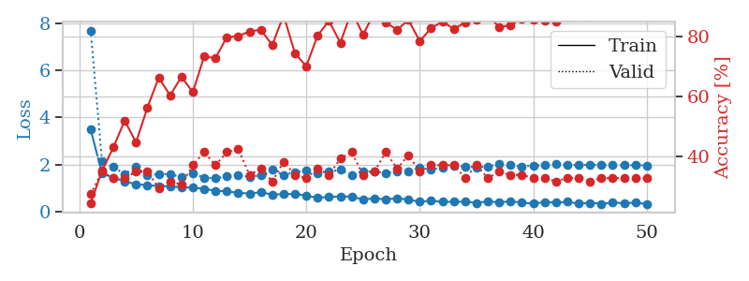
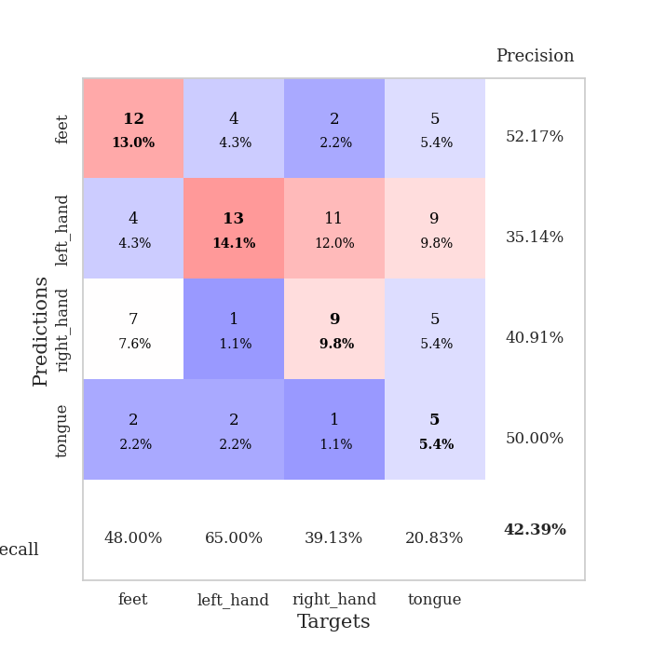
train_loss | valid_loss | train_accuracy | valid_accuracy | dur | train_misclass | valid_misclass
3.4833346346 | 7.690907271 | 0.24184782609 | 0.27173913043 | 0.089561462402 | 24.184782609 | 27.173913043
1.6272446384 | 2.1417908513 | 0.35054347826 | 0.34782608696 | 0.082497835159 | 35.054347826 | 34.782608696
1.4429303537 | 1.8917576334 | 0.42934782609 | 0.32608695652 | 0.083664894104 | 42.934782609 | 32.608695652
1.2864894297 | 1.6030464172 | 0.51902173913 | 0.32608695652 | 0.085886001587 | 51.902173913 | 32.608695652
1.1649987387 | 1.8928141231 | 0.44565217391 | 0.34782608696 | 0.095151901245 | 44.565217391 | 34.782608696
1.1209645816 | 1.5391482063 | 0.5625 | 0.34782608696 | 0.084323167801 | 56.25 | 34.782608696
1.0905497929 | 1.596612298 | 0.66304347826 | 0.29347826087 | 0.084646701813 | 66.304347826 | 29.347826087
1.0680373752 | 1.5982604649 | 0.60326086957 | 0.3152173913 | 0.08421254158 | 60.326086957 | 31.52173913
1.0397762371 | 1.4595278657 | 0.66576086957 | 0.30434782609 | 0.083434820175 | 66.576086957 | 30.434782609
1.0135303192 | 1.6197769227 | 0.61413043478 | 0.36956521739 | 0.082977771759 | 61.413043478 | 36.956521739
0.97073093705 | 1.444202335 | 0.73369565217 | 0.41304347826 | 0.083820581436 | 73.369565217 | 41.304347826
0.88649455879 | 1.4176074318 | 0.72826086957 | 0.36956521739 | 0.08819770813 | 72.826086957 | 36.956521739
0.85973418018 | 1.4930976681 | 0.79891304348 | 0.41304347826 | 0.08283495903 | 79.891304348 | 41.304347826
0.80103741781 | 1.5638274162 | 0.80163043478 | 0.42391304348 | 0.083060979843 | 80.163043478 | 42.391304348
0.76644947088 | 1.4705608254 | 0.81793478261 | 0.33695652174 | 0.083209276199 | 81.793478261 | 33.695652174
0.82816141455 | 1.5503429641 | 0.82336956522 | 0.35869565217 | 0.083561897278 | 82.336956522 | 35.869565217
0.72030182248 | 1.7903471304 | 0.77173913043 | 0.3152173913 | 0.082085132599 | 77.173913043 | 31.52173913
0.74591803421 | 1.5581092886 | 0.8722826087 | 0.38043478261 | 0.08145570755 | 87.22826087 | 38.043478261
0.75388521215 | 1.6760784958 | 0.74456521739 | 0.33695652174 | 0.080849170685 | 74.456521739 | 33.695652174
0.68344362404 | 1.7468033666 | 0.70108695652 | 0.32608695652 | 0.084429502487 | 70.108695652 | 32.608695652
0.58339744936 | 1.6403218145 | 0.80434782609 | 0.35869565217 | 0.083463907242 | 80.434782609 | 35.869565217
0.63176287128 | 1.6893023926 | 0.85326086957 | 0.33695652174 | 0.082277059555 | 85.326086957 | 33.695652174
0.64447355141 | 1.7832324298 | 0.77989130435 | 0.39130434783 | 0.081332683563 | 77.989130435 | 39.130434783
0.63807494031 | 1.5583201647 | 0.88586956522 | 0.41304347826 | 0.084353685379 | 88.586956522 | 41.304347826
0.51573913188 | 1.7114399101 | 0.80706521739 | 0.33695652174 | 0.084786891937 | 80.706521739 | 33.695652174
0.56708836037 | 1.6992447998 | 0.88043478261 | 0.34782608696 | 0.086181163788 | 88.043478261 | 34.782608696
0.51802454306 | 1.6408511452 | 0.84782608696 | 0.41304347826 | 0.084729909897 | 84.782608696 | 41.304347826
0.57202348113 | 1.7153898011 | 0.82336956522 | 0.35869565217 | 0.08787727356 | 82.336956522 | 35.869565217
0.50770719349 | 1.719029665 | 0.85597826087 | 0.40217391304 | 0.085710763931 | 85.597826087 | 40.217391304
0.42010062609 | 1.8583281248 | 0.78532608696 | 0.34782608696 | 0.085055351257 | 78.532608696 | 34.782608696
0.46436822674 | 1.7949031332 | 0.82880434783 | 0.36956521739 | 0.083617210388 | 82.880434783 | 36.956521739
0.41667092106 | 1.8757877039 | 0.85054347826 | 0.36956521739 | 0.089390516281 | 85.054347826 | 36.956521739
0.41766374558 | 1.9391414083 | 0.82608695652 | 0.36956521739 | 0.087855577469 | 82.608695652 | 36.956521739
0.42505022041 | 1.917192314 | 0.84782608696 | 0.32608695652 | 0.086564302444 | 84.782608696 | 32.608695652
0.36708103963 | 1.8855329804 | 0.85869565217 | 0.36956521739 | 0.0816218853 | 85.869565217 | 36.956521739
0.44371970581 | 1.9133064332 | 0.875 | 0.32608695652 | 0.082008361816 | 87.5 | 32.608695652
0.38982512057 | 2.0386872603 | 0.83152173913 | 0.34782608696 | 0.08233499527 | 83.152173913 | 34.782608696
0.44191267698 | 1.9885956619 | 0.83967391304 | 0.33695652174 | 0.086214065552 | 83.967391304 | 33.695652174
0.38299726468 | 1.9174561915 | 0.86141304348 | 0.33695652174 | 0.099493265152 | 86.141304348 | 33.695652174
0.33996124306 | 1.957161157 | 0.85597826087 | 0.32608695652 | 0.10988068581 | 85.597826087 | 32.608695652
0.4045347066 | 1.9697754383 | 0.85326086957 | 0.32608695652 | 0.10666203499 | 85.326086957 | 32.608695652
0.38574205792 | 2.0322381932 | 0.85054347826 | 0.3152173913 | 0.10325050354 | 85.054347826 | 31.52173913
0.41622019592 | 1.9863703044 | 0.86684782609 | 0.32608695652 | 0.10836863518 | 86.684782609 | 32.608695652
0.34361981957 | 1.9799284417 | 0.8722826087 | 0.32608695652 | 0.086332082748 | 87.22826087 | 32.608695652
0.37366252846 | 1.9889225234 | 0.86684782609 | 0.3152173913 | 0.096947908401 | 86.684782609 | 31.52173913
0.33460831934 | 1.9805117172 | 0.86956521739 | 0.32608695652 | 0.087676286697 | 86.956521739 | 32.608695652
0.38360422591 | 1.9774281771 | 0.875 | 0.32608695652 | 0.091977357864 | 87.5 | 32.608695652
0.35942917933 | 1.9727801551 | 0.8777173913 | 0.32608695652 | 0.085951805115 | 87.77173913 | 32.608695652
0.38583487985 | 1.9687142268 | 0.8777173913 | 0.32608695652 | 0.090123414993 | 87.77173913 | 32.608695652
0.3170191691 | 1.9666660869 | 0.8777173913 | 0.32608695652 | 0.087677955627 | 87.77173913 | 32.608695652

Best Val accuracy is 0.42391304347826086 and Best test accuracy is 0.3706896551724138

Sheet9
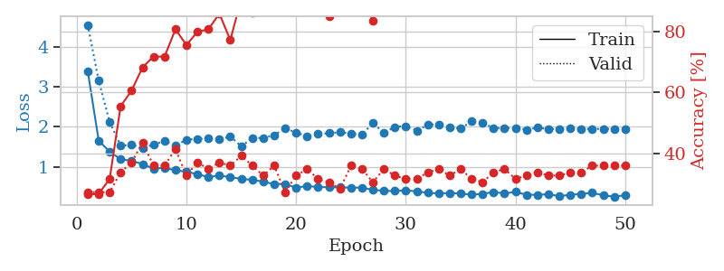
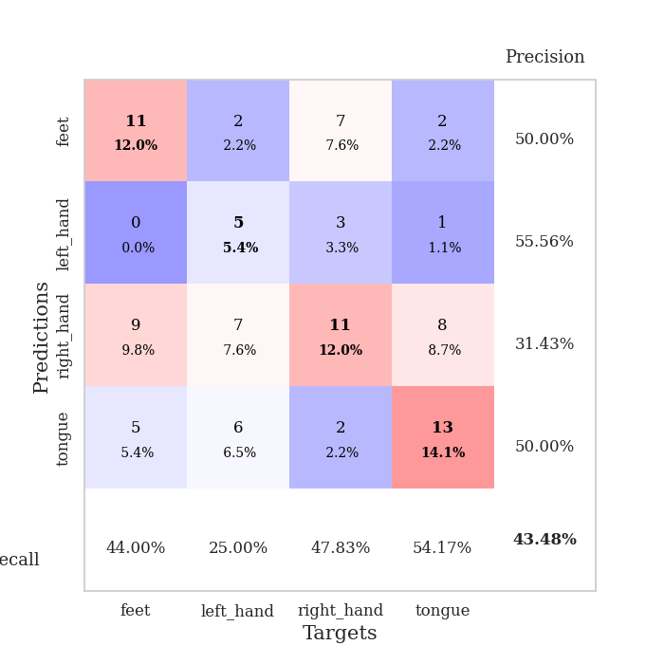
train_loss | valid_loss | train_accuracy | valid_accuracy | dur | train_misclass | valid_misclass
3.395007714 | 4.5460846113 | 0.26358695652 | 0.27173913043 | 0.082853078842 | 26.358695652 | 27.173913043
1.6551349889 | 3.1515608974 | 0.26630434783 | 0.27173913043 | 0.082677125931 | 26.630434783 | 27.173913043
1.3809485125 | 2.1214978177 | 0.3152173913 | 0.27173913043 | 0.082863092422 | 31.52173913 | 27.173913043
1.1930308834 | 1.5292587073 | 0.55434782609 | 0.33695652174 | 0.083855390549 | 55.434782609 | 33.695652174
1.1496140775 | 1.5507103308 | 0.60597826087 | 0.36956521739 | 0.083397626877 | 60.597826087 | 36.956521739
1.0733136405 | 1.476119171 | 0.68206521739 | 0.4347826087 | 0.086190700531 | 68.206521739 | 43.47826087
0.95608289605 | 1.5552784204 | 0.71739130435 | 0.35869565217 | 0.083657026291 | 71.739130435 | 35.869565217
0.98068310385 | 1.6487718665 | 0.71739130435 | 0.35869565217 | 0.084053754807 | 71.739130435 | 35.869565217
0.91640183718 | 1.5328468395 | 0.80706521739 | 0.41304347826 | 0.087959766388 | 80.706521739 | 41.304347826
0.87907316115 | 1.6786038202 | 0.75543478261 | 0.32608695652 | 0.087155580521 | 75.543478261 | 32.608695652
0.81924692055 | 1.7020728225 | 0.79891304348 | 0.36956521739 | 0.083727359772 | 79.891304348 | 36.956521739
0.74658753561 | 1.7067926448 | 0.80706521739 | 0.34782608696 | 0.082886219025 | 80.706521739 | 34.782608696
0.78605047127 | 1.6834784332 | 0.85869565217 | 0.36956521739 | 0.08842253685 | 85.869565217 | 36.956521739
0.74460120046 | 1.7603021135 | 0.77173913043 | 0.35869565217 | 0.087687730789 | 77.173913043 | 35.869565217
0.70088459875 | 1.5139175083 | 0.90760869565 | 0.39130434783 | 0.083917856216 | 90.760869565 | 39.130434783
0.67770309293 | 1.7242054473 | 0.86141304348 | 0.35869565217 | 0.086172103882 | 86.141304348 | 35.869565217
0.63116284168 | 1.7235244046 | 0.88586956522 | 0.32608695652 | 0.084708213806 | 88.586956522 | 32.608695652
0.57165361099 | 1.7941039956 | 0.92119565217 | 0.35869565217 | 0.083962202072 | 92.119565217 | 35.869565217
0.57605563946 | 1.966171275 | 0.93206521739 | 0.27173913043 | 0.084047555923 | 93.206521739 | 27.173913043
0.48069808017 | 1.8538490275 | 0.91576086957 | 0.32608695652 | 0.087147951126 | 91.576086957 | 32.608695652
0.52656974093 | 1.7716648682 | 0.9402173913 | 0.34782608696 | 0.084184646606 | 94.02173913 | 34.782608696
0.4963385858 | 1.8199837052 | 0.91304347826 | 0.3152173913 | 0.085901260376 | 91.304347826 | 31.52173913
0.49356402262 | 1.8434203449 | 0.85054347826 | 0.30434782609 | 0.08930683136 | 85.054347826 | 30.434782609
0.48872099039 | 1.8655299518 | 0.92663043478 | 0.28260869565 | 0.084859609604 | 92.663043478 | 28.260869565
0.48487767577 | 1.8341578919 | 0.91032608696 | 0.35869565217 | 0.084490776062 | 91.032608696 | 35.869565217
0.48268735344 | 1.8081636532 | 0.92663043478 | 0.34782608696 | 0.08433842659 | 92.663043478 | 34.782608696
0.42799142975 | 2.0927121536 | 0.83423913043 | 0.30434782609 | 0.084026098251 | 83.423913043 | 30.434782609
0.40436352271 | 1.8482792274 | 0.96467391304 | 0.34782608696 | 0.084279060364 | 96.467391304 | 34.782608696
0.398281893 | 1.9972019092 | 0.94836956522 | 0.32608695652 | 0.08295083046 | 94.836956522 | 32.608695652
0.41586764092 | 2.0209160991 | 0.88586956522 | 0.3152173913 | 0.083034992218 | 88.586956522 | 31.52173913
0.388599525 | 1.9075151423 | 0.95380434783 | 0.3152173913 | 0.083756923676 | 95.380434783 | 31.52173913
0.35452770021 | 2.0488691434 | 0.92391304348 | 0.33695652174 | 0.08367061615 | 92.391304348 | 33.695652174
0.33720842652 | 2.0644526585 | 0.89402173913 | 0.34782608696 | 0.083261728287 | 89.402173913 | 34.782608696
0.34970541558 | 1.9903895233 | 0.9347826087 | 0.32608695652 | 0.084051609039 | 93.47826087 | 32.608695652
0.33492336422 | 1.9575080042 | 0.92663043478 | 0.34782608696 | 0.084247350693 | 92.663043478 | 34.782608696
0.30778790751 | 2.141298377 | 0.88043478261 | 0.3152173913 | 0.083679914474 | 88.043478261 | 31.52173913
0.32831814464 | 2.0995453544 | 0.8722826087 | 0.30434782609 | 0.082958459854 | 87.22826087 | 30.434782609
0.37343095632 | 1.9708447353 | 0.9375 | 0.33695652174 | 0.082863092422 | 93.75 | 33.695652174
0.33815077206 | 1.9695949865 | 0.95380434783 | 0.34782608696 | 0.082958698273 | 95.380434783 | 34.782608696
0.37517220657 | 1.974276864 | 0.95652173913 | 0.3152173913 | 0.088106870651 | 95.652173913 | 31.52173913
0.30463123645 | 1.9289549019 | 0.96195652174 | 0.32608695652 | 0.083505630493 | 96.195652174 | 32.608695652
0.30357455073 | 1.9789437522 | 0.94836956522 | 0.33695652174 | 0.085983514786 | 94.836956522 | 33.695652174
0.31886136273 | 1.9463968381 | 0.95923913043 | 0.32608695652 | 0.084122657776 | 95.923913043 | 32.608695652
0.27170379071 | 1.9493043215 | 0.95380434783 | 0.32608695652 | 0.083721637726 | 95.380434783 | 32.608695652
0.30253982576 | 1.9542150601 | 0.95652173913 | 0.33695652174 | 0.082619905472 | 95.652173913 | 33.695652174
0.32740916328 | 1.9496193036 | 0.95380434783 | 0.33695652174 | 0.083144664764 | 95.380434783 | 33.695652174
0.35238729968 | 1.9484485232 | 0.95652173913 | 0.35869565217 | 0.083429098129 | 95.652173913 | 35.869565217
0.29328077643 | 1.9485730503 | 0.95652173913 | 0.35869565217 | 0.084578275681 | 95.652173913 | 35.869565217
0.25677596486 | 1.9486698793 | 0.95923913043 | 0.35869565217 | 0.083460330963 | 95.923913043 | 35.869565217
0.29497172975 | 1.948207057 | 0.95923913043 | 0.35869565217 | 0.083173751831 | 95.923913043 | 35.869565217

Best Val accuracy is 0.43478260869565216 and Best test accuracy is 0.3275862068965517

Sheet10
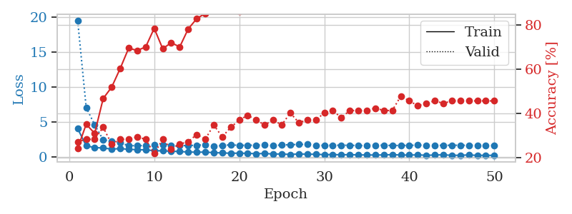
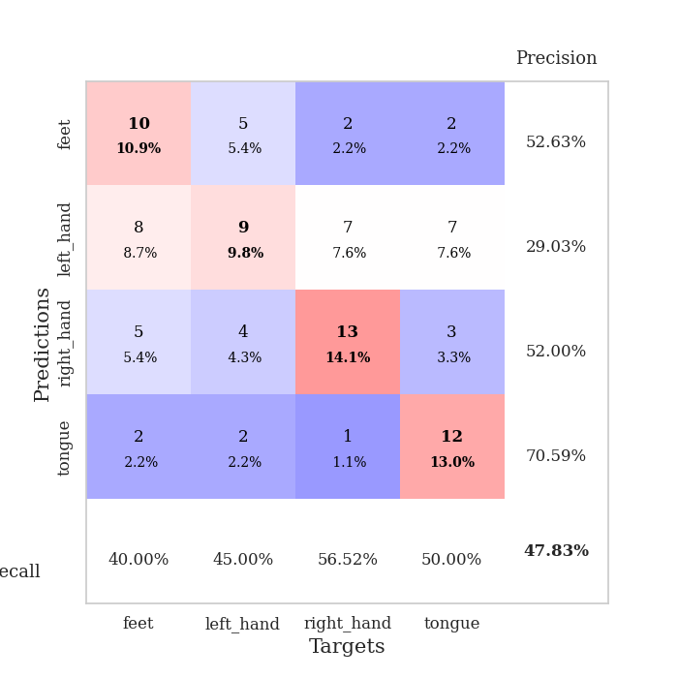
train_loss | valid_loss | train_accuracy | valid_accuracy | dur | train_misclass | valid_misclass
4.077015203 | 19.525514105 | 0.24184782609 | 0.27173913043 | 0.085514783859 | 24.184782609 | 27.173913043
1.600014189 | 7.1014478932 | 0.35054347826 | 0.28260869565 | 0.088270902634 | 35.054347826 | 28.260869565
1.363867485 | 4.6193665836 | 0.3097826087 | 0.28260869565 | 0.088269948959 | 30.97826087 | 28.260869565
1.2935035151 | 2.4610648881 | 0.46739130435 | 0.33695652174 | 0.085321426392 | 46.739130435 | 33.695652174
1.1437090998 | 2.2873943163 | 0.51902173913 | 0.26086956522 | 0.083065509796 | 51.902173913 | 26.086956522
1.2020063426 | 2.0121541127 | 0.60326086957 | 0.28260869565 | 0.083349466324 | 60.326086957 | 28.260869565
1.1143755965 | 1.6457577374 | 0.69565217391 | 0.28260869565 | 0.083232164383 | 69.565217391 | 28.260869565
1.0546759924 | 1.6121915942 | 0.6847826087 | 0.29347826087 | 0.084187269211 | 68.47826087 | 29.347826087
1.0264615417 | 1.6691168495 | 0.70108695652 | 0.28260869565 | 0.083633899689 | 70.108695652 | 28.260869565
0.91668577687 | 1.7188943158 | 0.78532608696 | 0.21739130435 | 0.083220481873 | 78.532608696 | 21.739130435
0.88438489904 | 1.7973790583 | 0.69293478261 | 0.28260869565 | 0.082931518555 | 69.293478261 | 28.260869565
0.83700692524 | 1.6140318642 | 0.72010869565 | 0.23913043478 | 0.0831823349 | 72.010869565 | 23.913043478
0.78309486742 | 1.6222043659 | 0.70108695652 | 0.26086956522 | 0.083183050156 | 70.108695652 | 26.086956522
0.72264864782 | 1.6539757459 | 0.78260869565 | 0.27173913043 | 0.082759141922 | 78.260869565 | 27.173913043
0.69623972411 | 1.6921541484 | 0.82880434783 | 0.30434782609 | 0.082897663116 | 82.880434783 | 30.434782609
0.70954952681 | 1.7619954918 | 0.85326086957 | 0.28260869565 | 0.082772016525 | 85.326086957 | 28.260869565
0.63034736981 | 1.5229282846 | 0.875 | 0.34782608696 | 0.082555770874 | 87.5 | 34.782608696
0.59136649448 | 1.6627066861 | 0.875 | 0.29347826087 | 0.082724094391 | 87.5 | 29.347826087
0.54490714488 | 1.7488893011 | 0.92934782609 | 0.33695652174 | 0.083283424377 | 92.934782609 | 33.695652174
0.55656227275 | 1.6725508337 | 0.86141304348 | 0.36956521739 | 0.083750247955 | 86.141304348 | 36.956521739
0.53120559065 | 1.6970153166 | 0.89945652174 | 0.39130434783 | 0.083535909653 | 89.945652174 | 39.130434783
0.47429598609 | 1.6946816652 | 0.89130434783 | 0.36956521739 | 0.083250284195 | 89.130434783 | 36.956521739
0.51243222926 | 1.7809316075 | 0.9375 | 0.34782608696 | 0.08340716362 | 93.75 | 34.782608696
0.43428537379 | 1.6368885299 | 0.92119565217 | 0.36956521739 | 0.083028793335 | 92.119565217 | 36.956521739
0.43834553141 | 1.7355707832 | 0.9347826087 | 0.34782608696 | 0.082481622696 | 93.47826087 | 34.782608696
0.37271726326 | 1.7597979152 | 0.92391304348 | 0.40217391304 | 0.082103013992 | 92.391304348 | 40.217391304
0.44535842473 | 1.8191882527 | 0.88586956522 | 0.35869565217 | 0.082720279694 | 88.586956522 | 35.869565217
0.40751023688 | 1.8058715696 | 0.91847826087 | 0.36956521739 | 0.08255982399 | 91.847826087 | 36.956521739
0.40093257635 | 1.6655380726 | 0.94836956522 | 0.36956521739 | 0.085334777832 | 94.836956522 | 36.956521739
0.34528621772 | 1.6812661523 | 0.95923913043 | 0.40217391304 | 0.082706451416 | 95.923913043 | 40.217391304
0.36333379149 | 1.6872817848 | 0.88586956522 | 0.41304347826 | 0.082591295242 | 88.586956522 | 41.304347826
0.31618010156 | 1.6929782059 | 0.91032608696 | 0.38043478261 | 0.082724094391 | 91.032608696 | 38.043478261
0.35013624443 | 1.6864342068 | 0.96195652174 | 0.41304347826 | 0.084606409073 | 96.195652174 | 41.304347826
0.29913993147 | 1.6542853169 | 0.97826086957 | 0.41304347826 | 0.083917856216 | 97.826086957 | 41.304347826
0.30441105852 | 1.648488138 | 0.97554347826 | 0.41304347826 | 0.084993362427 | 97.554347826 | 41.304347826
0.28210430398 | 1.6992127273 | 0.9402173913 | 0.42391304348 | 0.08260345459 | 94.02173913 | 42.391304348
0.30812160671 | 1.6916470424 | 0.97554347826 | 0.41304347826 | 0.082885980606 | 97.554347826 | 41.304347826
0.34522575172 | 1.6551529636 | 0.95380434783 | 0.41304347826 | 0.082544803619 | 95.380434783 | 41.304347826
0.28978184513 | 1.6616261005 | 0.94836956522 | 0.47826086957 | 0.082943201065 | 94.836956522 | 47.826086957
0.28060483382 | 1.6760803513 | 0.95923913043 | 0.45652173913 | 0.083381891251 | 95.923913043 | 45.652173913
0.3164425894 | 1.704920748 | 0.96739130435 | 0.4347826087 | 0.083561897278 | 96.739130435 | 43.47826087
0.24907656646 | 1.6914713175 | 0.96467391304 | 0.44565217391 | 0.083871841431 | 96.467391304 | 44.565217391
0.29062414526 | 1.6778667077 | 0.95652173913 | 0.45652173913 | 0.083338022232 | 95.652173913 | 45.652173913
0.32117757072 | 1.6863301215 | 0.96467391304 | 0.44565217391 | 0.084130764008 | 96.467391304 | 44.565217391
0.24667680231 | 1.6917325206 | 0.97282608696 | 0.45652173913 | 0.085082054138 | 97.282608696 | 45.652173913
0.25631402757 | 1.6898776241 | 0.97282608696 | 0.45652173913 | 0.085610151291 | 97.282608696 | 45.652173913
0.29778632684 | 1.6874733697 | 0.97282608696 | 0.45652173913 | 0.084338188171 | 97.282608696 | 45.652173913
0.24191190918 | 1.6846489906 | 0.97282608696 | 0.45652173913 | 0.08441734314 | 97.282608696 | 45.652173913
0.25204845745 | 1.6846028929 | 0.97282608696 | 0.45652173913 | 0.083283185959 | 97.282608696 | 45.652173913
0.23899894499 | 1.6839648226 | 0.97282608696 | 0.45652173913 | 0.082996845245 | 97.282608696 | 45.652173913

Best Val accuracy is 0.4782608695652174 and Best test accuracy is 0.41379310344827586

